Sheet1
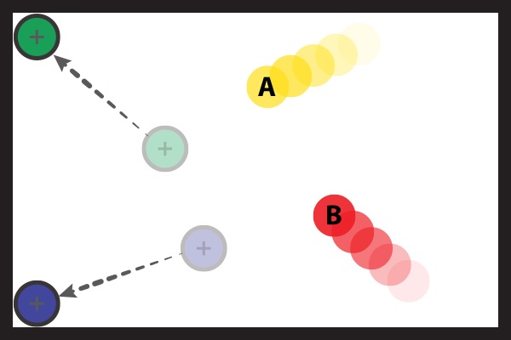 | Deconfounding code = "d" | Grabs one of the non-target pucks and moves it away from the target pucks (i.e. in a far corner) | Notes can go here
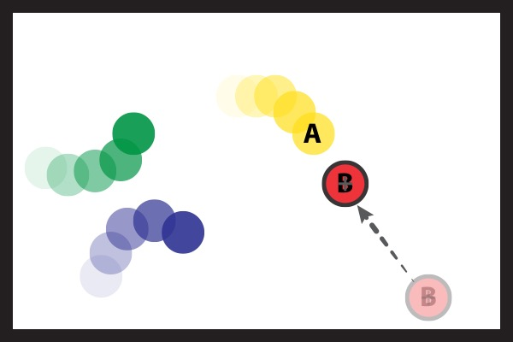 | Encroaching code = "e" | Grabs one target puck and move it toward the other target, following it if it moves away, or dragging it if they get stuck together.
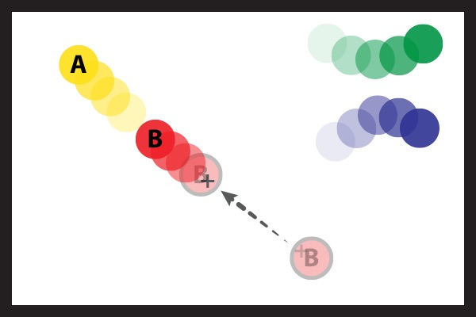 | Launching code = "l" | Grabs a target or nontarget puck and ``throws it'' against a target puck.
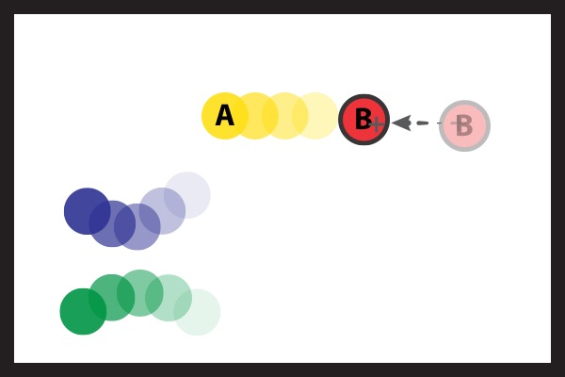 | Knocking code = "k" | Grabs a target or non-target puck and hits a target puck with it (without letting it go). [NB: If both are target pucks and they keep it close to the other target puck but don't explicitly try and knock the other then code as encroaching.]
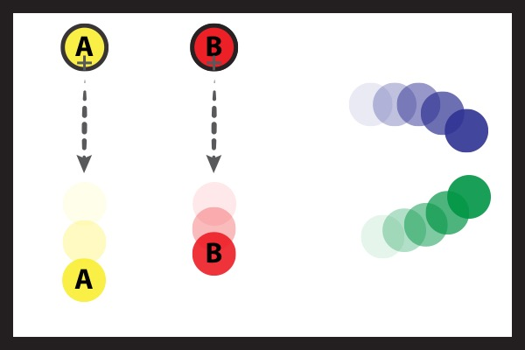 | Throwing code = "t" | Grabs a target puck and then throws it, explicitly avoiding collision with any of the other pucks
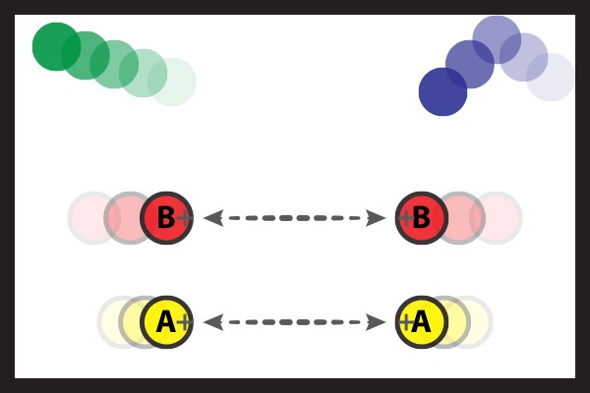 | Shaking code = "s" | Grabs a target puck and rapidly shakes it (moves the mouse rapidly back and forth)
 | Controlling code = "c" | Briefly grabs any puck while it is moving and releases it stationary , OR uses it to stop/slow down the motion of other pucks (without doing any of the above)
 | Multiple code = "m" | A single control period with no dominant behaviour, but could fall under more than one of the above categories (indicate which)
 | Unclear code = "u" | Control period does not fall into the above categories

