Fuel Pressure
Supplier | AEM
Part Number | 30-2131-100
Link | https://www.aemelectronics.com/products/sensors-connectors-accessories/map-pressure-sensors/brass-psig-sensors

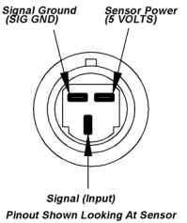

1
2

3

Slope | 25 | PSI/V
Offset | -12.5 | PSI/V

