Question 2
TS regressions
 |  | Average excess return (in % per month) |  |  |  | EXRET | Jensen's alpha (in % per month) |  |  |  | ALPHA | Market beta |  |  |  | Beta | Radj. |  |  |  | R2adj
Company name | Num. | 2001-2005 | 2006-2010 | 2011-2015 | 2016-2020 | 2001-2020 | 2001-2005 | 2006-2010 | 2011-2015 | 2016-2020 | 2001-2020 | 2001-2005 | 2006-2010 | 2011-2015 | 2016-2020 | 2001-2020 | 2001-2005 | 2006-2010 | 2011-2015 | 2016-2020 | 2001-2020
CAT | 1 | 0.019282959156 | 0.012964257682 | -0.0023752003209 | 0.018150452136 | 0.012005617163 | 0.020359745158 | 0.012577501509 | -0.018456748533 | 0.0071095726479 | 0.0053975176957 | 1.1834945255 | 1.706277235 | 1.5940738356 | 0.92225082736 | 1.3515241059 | 0.39218919064 | 0.61038074857 | 0.49708528594 | 0.33997179776 | 0.45990675573
F | 2 | -0.012556803931 | 0.032349168313 | -0.00037891606279 | -0.0047299121867 | 0.0036708840331 | -0.011155779168 | 0.031796967462 | -0.013413680697 | -0.019441577453 | -0.0030535174639 | 1.5398650553 | 2.4361802261 | 1.2920632382 | 1.2288736126 | 1.6242455331 | 0.31100594807 | 0.30494579822 | 0.37557979406 | 0.44010334627 | 0.35790872166
INTC | 3 | 0.00054427305553 | -0.0013919395077 | 0.010127327774 | 0.0075001484386 | 0.00419495244 | 0.0025295547326 | -0.0016377631971 | 0.0017109828681 | -0.0005892597484 | 0.0005033786638 | 2.1820213027 | 1.0845162767 | 0.83426514841 | 0.67571278187 | 1.1941288774 | 0.49909940121 | 0.49076462039 | 0.2060835484 | 0.18225970457 | 0.34455181864
JPM | 4 | 0.0042293456427 | 0.0038615067684 | 0.010229752578 | 0.012332605296 | 0.0076633025713 | 0.0057019702937 | 0.0036114837768 | -0.0059472656103 | -0.0014976598866 | 0.00046713214342 | 1.6185604272 | 1.10304261 | 1.6035372398 | 1.1552497716 | 1.3700975122 | 0.52586266174 | 0.35020371811 | 0.55669794427 | 0.58342856939 | 0.50404822338
MKC | 5 | 0.0076461835688 | 0.0061736631971 | 0.010963750328 | 0.013944454727 | 0.0096820129553 | 0.0077266838058 | 0.0060820810303 | 0.0058486523893 | 0.0094086666593 | 0.0072665209712 | 0.088477737976 | 0.40403897139 | 0.50703101989 | 0.37887690947 | 0.34460615968 | -0.010041003216 | 0.17612237048 | 0.18335958823 | 0.084994775622 | 0.10860893278
MSFT | 6 | 0.0010059017592 | 0.0024514166231 | 0.013390186962 | 0.023811940029 | 0.010164861343 | 0.0020164352443 | 0.0022136122974 | 0.0047888873001 | 0.014859370356 | 0.0059695762994 | 1.1106764431 | 1.049136731 | 0.85259867791 | 0.74781314267 | 0.94005624867 | 0.24772365768 | 0.45758037425 | 0.21058388294 | 0.43309237282 | 0.33724507192
NKE | 7 | 0.01287566732 | 0.011840471583 | 0.019904545037 | 0.014856749932 | 0.014869358468 | 0.013524557875 | 0.011641867188 | 0.013894507314 | 0.0054241570702 | 0.011121272362 | 0.71319502522 | 0.87619585987 | 0.59574139003 | 0.7879097476 | 0.74326050568 | 0.15567147161 | 0.43170690497 | 0.10137025064 | 0.31641431391 | 0.25129073528
UPS | 8 | 0.0027604236001 | -4.2844464041E-05 | 0.0055869978978 | 0.011202815277 | 0.0048768480778 | 0.0032144440648 | -0.00022776895471 | -0.0030912496174 | 0.00034340096227 | 5.970661374E-05 | 0.49901348372 | 0.81584334119 | 0.86022608774 | 0.90709294014 | 0.7705439632 | 0.21135354935 | 0.3828159885 | 0.49303205247 | 0.28564615516 | 0.34321193637
WMT | 9 | -0.0019233994103 | 0.001630319402 | 0.0032535178187 | 0.014702764033 | 0.0044158004608 | -0.0013790310991 | 0.0015645926148 | 0.00074466763361 | 0.010272247014 | 0.0028006190408 | 0.59831472045 | 0.28997112011 | 0.2486882721 | 0.37008355996 | 0.37676441816 | 0.1947303288 | 0.08887585601 | 0.01594711571 | 0.10467620418 | 0.10105737618
XOM | 10 | 0.0035647565432 | 0.0038984557702 | 0.0020673219239 | -0.0082778166076 | 0.00031317940743 | 0.0040669675928 | 0.0037986005769 | -0.0068273397185 | -0.023407762413 | -0.0055923834905 | 0.55197971224 | 0.44053761739 | 0.8816780085 | 1.2638128196 | 0.78450203944 | 0.19432159124 | 0.18635874909 | 0.44780358564 | 0.58750599933 | 0.35399748133
 | pfl
 |  |  |  |  |  |  |  |  |  |  | BETA SIGNIFICANCE
 |  |  |  |  |  |  |  |  |  |  | IBM | *** | *** | *** | ***
 | Chart: stability of market was much greater than of one chosen comapny (cattepilar) |  |  |  |  |  |  |  |  |  | MSFT | *** | *** | *** | ***
 |  |  |  |  |  |  |  |  |  |  | AAPL | *** | *** | *** | ***
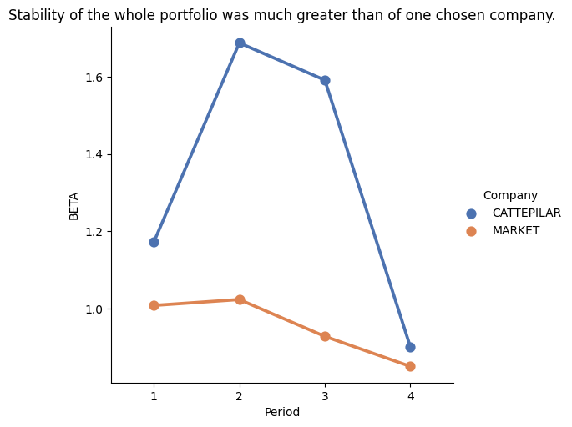
 |  |  |  |  |  |  |  |  |  |  | AMZN | *** | *** | *** | ***
 |  |  |  |  |  |  |  |  |  |  | F |  | *** | *** | **
 |  |  |  |  |  |  |  |  |  |  | WMT | *** | *** | *** | ***
 |  |  |  |  |  |  |  |  |  |  | BLK | *** | *** | *** | ***
 |  |  |  |  |  |  |  |  |  |  | LMT | *** | *** | *** | ***
 |  |  |  |  |  |  |  |  |  |  | JNJ | *** | ** |  | ***
 |  |  |  |  |  |  |  |  |  |  | JPM | *** | *** | *** | ***

Question 3
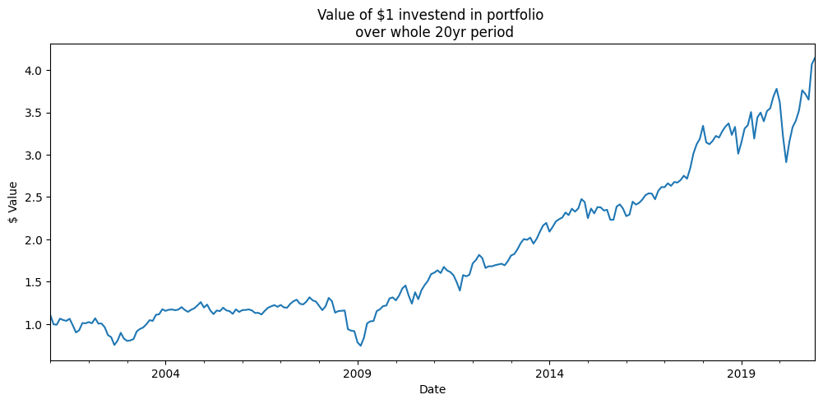
 |  | Average excess return (in % per month) |  |  |  | EXRET | Jensen's alpha (in % per month) |  |  |  | ALPHA | Sharpe Ratio |  |  |  | SR | Treynor Ratio |  |  |  | TR
Company name | Num. | 2001-2005 | 2006-2010 | 2011-2015 | 2016-2020 | 2001-2020 | 2001-2005 | 2006-2010 | 2011-2015 | 2016-2020 | 2001-2020 | 2001-2005 | 2006-2010 | 2011-2015 | 2016-2020 | 2001-2020 | 2001-2005 | 2006-2010 | 2011-2015 | 2016-2020 | 2001-2020
CAT | 1 | 0.019282959156 | 0.012964257682 | -0.0023752003209 | 0.018150452136 | 0.012005617163 | 0.020359745158 | 0.012577501509 | -0.018456748533 | 0.0071095726479 | 0.0053975176957 | 0.21 | 0.09 | -0.04 | 0.28 | 0.13 | 0.01 | 0.01 | 0.00 | 0.02 | 0.01
F | 2 | -0.012556803931 | 0.032349168313 | -0.00037891606279 | -0.0047299121867 | 0.0036708840331 | -0.011155779168 | 0.031796967462 | -0.013413680697 | -0.019441577453 | -0.0030535174639 | -0.11 | 0.14 | 0.01 | -0.03 | 0.03 | -0.01 | 0.01 | 0.00 | 0.00 | 0.00
INTC | 3 | 0.00054427305553 | -0.0013919395077 | 0.010127327774 | 0.0075001484386 | 0.00419495244 | 0.0025295547326 | -0.0016377631971 | 0.0017109828681 | -0.0005892597484 | 0.0005033786638 | 0.03 | 0.01 | 0.16 | 0.13 | 0.06 | 0.00 | 0.00 | 0.01 | 0.01 | 0.00
JPM | 4 | 0.0042293456427 | 0.0038615067684 | 0.010229752578 | 0.012332605296 | 0.0076633025713 | 0.0057019702937 | 0.0036114837768 | -0.0059472656103 | -0.0014976598866 | 0.00046713214342 | 0.01 | 0.04 | 0.13 | 0.21 | 0.08 | 0.00 | 0.00 | 0.01 | 0.01 | 0.01
MKC | 5 | 0.0076461835688 | 0.0061736631971 | 0.010963750328 | 0.013944454727 | 0.0096820129553 | 0.0077266838058 | 0.0060820810303 | 0.0058486523893 | 0.0094086666593 | 0.0072665209712 | 0.18 | 0.14 | 0.31 | 0.24 | 0.20 | 0.09 | 0.02 | 0.02 | 0.03 | 0.03
MSFT | 6 | 0.0010059017592 | 0.0024514166231 | 0.013390186962 | 0.023811940029 | 0.010164861343 | 0.0020164352443 | 0.0022136122974 | 0.0047888873001 | 0.014859370356 | 0.0059695762994 | 0.06 | 0.02 | 0.22 | 0.46 | 0.15 | 0.00 | 0.00 | 0.02 | 0.03 | 0.01
NKE | 7 | 0.01287566732 | 0.011840471583 | 0.019904545037 | 0.014856749932 | 0.014869358468 | 0.013524557875 | 0.011641867188 | 0.013894507314 | 0.0054241570702 | 0.011121272362 | 0.12 | 0.19 | 0.34 | 0.24 | 0.21 | 0.01 | 0.01 | 0.03 | 0.02 | 0.02
UPS | 8 | 0.0027604236001 | -4.2844464041E-05 | 0.0055869978978 | 0.011202815277 | 0.0048768480778 | 0.0032144440648 | -0.00022776895471 | -0.0030912496174 | 0.00034340096227 | 5.970661374E-05 | 0.07 | 0.00 | 0.14 | 0.15 | 0.08 | 0.01 | 0.00 | 0.01 | 0.01 | 0.01
WMT | 9 | -0.0019233994103 | 0.001630319402 | 0.0032535178187 | 0.014702764033 | 0.0044158004608 | -0.0013790310991 | 0.0015645926148 | 0.00074466763361 | 0.010272247014 | 0.0028006190408 | -0.04 | 0.04 | 0.05 | 0.27 | 0.09 | 0.00 | 0.01 | 0.01 | 0.03 | 0.01
XOM | 10 | 0.0035647565432 | 0.0038984557702 | 0.0020673219239 | -0.0082778166076 | 0.00031317940743 | 0.0040669675928 | 0.0037986005769 | -0.0068273397185 | -0.023407762413 | -0.0055923834905 | 0.07 | 0.04 | 0.01 | -0.11 | 0.01 | 0.01 | 0.00 | 0.00 | -0.01 | 0.00
 | pfl | 0.0037429307303 | 0.0073734475368 | 0.0072769283935 | 0.010349420107 | 0.007185681692 | 0.0046605548501 | 0.0071421174303 | -0.0020748586671 | 0.00024811552085 | 0.0024939822835 | 0.06 | 0.0715958 | 0.1322918 | 0.1845112 | 0.1031555 | 0.0125561 | 0.0067399 | 0.010809 | 0.0170951 | 0.0097017
 |  | Simple measure, not adjusted for risk factor. Its average shows that it was the best in 2016-2020 period. |  |  |  |  | Jensen's alpha is realized premium over expected premium. This measure shows contrary results to average excess return. The wors period was best for previous measure. Here the best period i 2006-2012. |  |  |  |  | Sharpe Ratio gives return per unit of total risk which can be also understood as investing in our portfolio vs investing in risk free instruments. We can see that 2016-2020 period was the best one. We had 18,5% excess return per unit of risk. |  |  |  |  | Treynor Ratio tells us how well our portfolio performs against the whole market (measured by beta). Here we see that yet again the last period (2016-2020) was the best for our portfolio. We can see that our TR is positive which is preferrable but also its on much lower level than sharpe ratio which is expected since here we compare it to more risky instruments and not risk free ones.

Question 4
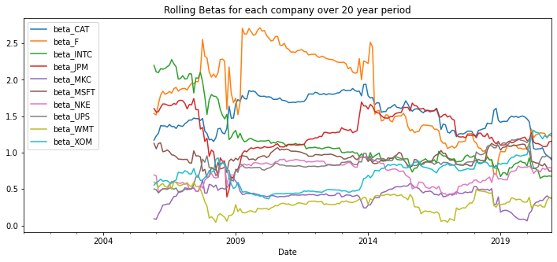

Rolling Beta offers better view of the changes in market as it takes into account information over continuous time period, it's not as selective as pre-defined 5-year periods and more accurate than overall 20 year beta.
From the plot we can easily see how several companies were disturbed over the 2008-2009 crisis period

