Question 2
TS regressions
 |  | Average excess return (in % per month) |  |  |  | EXRET | Jensen's alpha (in % per month) |  |  |  | ALPHA | Market beta |  |  |  | Beta | Radj. |  |  |  | R2adj
Company name | Num. | 2001-2005 | 2006-2010 | 2011-2015 | 2016-2020 | 2001-2020 | 2001-2005 | 2006-2010 | 2011-2015 | 2016-2020 | 2001-2020 | 2001-2005 | 2006-2010 | 2011-2015 | 2016-2020 | 2001-2020 | 2001-2005 | 2006-2010 | 2011-2015 | 2016-2020 | 2001-2020
IBM | 1 | 0.019282959156 | 0.012964257682 | -0.0023752003209 | 0.018150452136 | 0.012005617163 | 0.020359745158 | 0.012577501509 | -0.018456748533 | 0.0071095726479 | 0.0053975176957 | 1.1834945255 | 1.706277235 | 1.5940738356 | 0.92225082736 | 1.3515241059 | 0.39218919064 | 0.61038074857 | 0.49708528594 | 0.33997179776 | 0.45990675573
MSFT | 2 | -0.012556803931 | 0.032349168313 | -0.00037891606279 | -0.0047299121867 | 0.0036708840331 | -0.011155779168 | 0.031796967462 | -0.013413680697 | -0.019441577453 | -0.0030535174639 | 1.5398650553 | 2.4361802261 | 1.2920632382 | 1.2288736126 | 1.6242455331 | 0.31100594807 | 0.30494579822 | 0.37557979406 | 0.44010334627 | 0.35790872166
AAPL | 3 | 0.00054427305553 | -0.0013919395077 | 0.010127327774 | 0.0075001484386 | 0.00419495244 | 0.0025295547326 | -0.0016377631971 | 0.0017109828681 | -0.0005892597484 | 0.0005033786638 | 2.1820213027 | 1.0845162767 | 0.83426514841 | 0.67571278187 | 1.1941288774 | 0.49909940121 | 0.49076462039 | 0.2060835484 | 0.18225970457 | 0.34455181864
AMZN | 4 | 0.0042293456427 | 0.0038615067684 | 0.010229752578 | 0.012332605296 | 0.0076633025713 | 0.0057019702937 | 0.0036114837768 | -0.0059472656103 | -0.0014976598866 | 0.00046713214342 | 1.6185604272 | 1.10304261 | 1.6035372398 | 1.1552497716 | 1.3700975122 | 0.52586266174 | 0.35020371811 | 0.55669794427 | 0.58342856939 | 0.50404822338
F | 5 | 0.0076461835688 | 0.0061736631971 | 0.010963750328 | 0.013944454727 | 0.0096820129553 | 0.0077266838058 | 0.0060820810303 | 0.0058486523893 | 0.0094086666593 | 0.0072665209712 | 0.088477737976 | 0.40403897139 | 0.50703101989 | 0.37887690947 | 0.34460615968 | -0.010041003216 | 0.17612237048 | 0.18335958823 | 0.084994775622 | 0.10860893278
WMT | 6 | 0.0010059017592 | 0.0024514166231 | 0.013390186962 | 0.023811940029 | 0.010164861343 | 0.0020164352443 | 0.0022136122974 | 0.0047888873001 | 0.014859370356 | 0.0059695762994 | 1.1106764431 | 1.049136731 | 0.85259867791 | 0.74781314267 | 0.94005624867 | 0.24772365768 | 0.45758037425 | 0.21058388294 | 0.43309237282 | 0.33724507192
BLK | 7 | 0.01287566732 | 0.011840471583 | 0.019904545037 | 0.014856749932 | 0.014869358468 | 0.013524557875 | 0.011641867188 | 0.013894507314 | 0.0054241570702 | 0.011121272362 | 0.71319502522 | 0.87619585987 | 0.59574139003 | 0.7879097476 | 0.74326050568 | 0.15567147161 | 0.43170690497 | 0.10137025064 | 0.31641431391 | 0.25129073528
LMT | 8 | 0.0027604236001 | -4.2844464041E-05 | 0.0055869978978 | 0.011202815277 | 0.0048768480778 | 0.0032144440648 | -0.00022776895471 | -0.0030912496174 | 0.00034340096227 | 5.970661374E-05 | 0.49901348372 | 0.81584334119 | 0.86022608774 | 0.90709294014 | 0.7705439632 | 0.21135354935 | 0.3828159885 | 0.49303205247 | 0.28564615516 | 0.34321193637
JNJ | 9 | -0.0019233994103 | 0.001630319402 | 0.0032535178187 | 0.014702764033 | 0.0044158004608 | -0.0013790310991 | 0.0015645926148 | 0.00074466763361 | 0.010272247014 | 0.0028006190408 | 0.59831472045 | 0.28997112011 | 0.2486882721 | 0.37008355996 | 0.37676441816 | 0.1947303288 | 0.08887585601 | 0.01594711571 | 0.10467620418 | 0.10105737618
JPM | 10 | 0.0035647565432 | 0.0038984557702 | 0.0020673219239 | -0.0082778166076 | 0.00031317940743 | 0.0040669675928 | 0.0037986005769 | -0.0068273397185 | -0.023407762413 | -0.0055923834905 | 0.55197971224 | 0.44053761739 | 0.8816780085 | 1.2638128196 | 0.78450203944 | 0.19432159124 | 0.18635874909 | 0.44780358564 | 0.58750599933 | 0.35399748133
 | pfl
 |  |  |  |  |  |  |  |  |  |  | BETA SIGNIFICANCE
 |  |  |  |  |  |  |  |  |  |  | IBM | *** | *** | *** | ***
 | Chart: stability of market was much greater than of one chosen comapny (cattepilar) |  |  |  |  |  |  |  |  |  | MSFT | *** | *** | *** | ***
 |  |  |  |  |  |  |  |  |  |  | AAPL | *** | *** | *** | ***
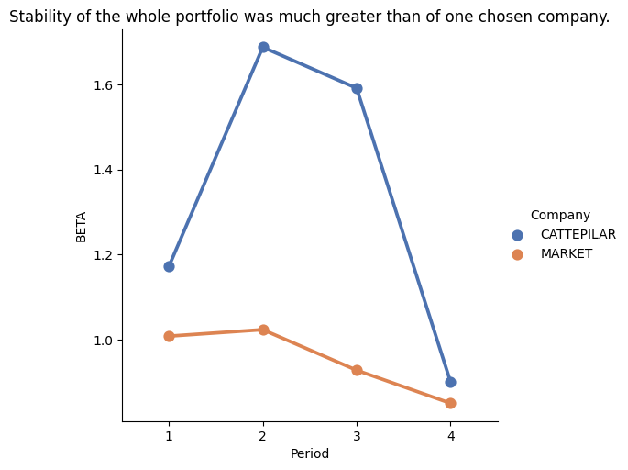
 |  |  |  |  |  |  |  |  |  |  | AMZN | *** | *** | *** | ***
 |  |  |  |  |  |  |  |  |  |  | F |  | *** | *** | **
 |  |  |  |  |  |  |  |  |  |  | WMT | *** | *** | *** | ***
 |  |  |  |  |  |  |  |  |  |  | BLK | *** | *** | *** | ***
 |  |  |  |  |  |  |  |  |  |  | LMT | *** | *** | *** | ***
 |  |  |  |  |  |  |  |  |  |  | JNJ | *** | ** |  | ***
 |  |  |  |  |  |  |  |  |  |  | JPM | *** | *** | *** | ***

Question 3
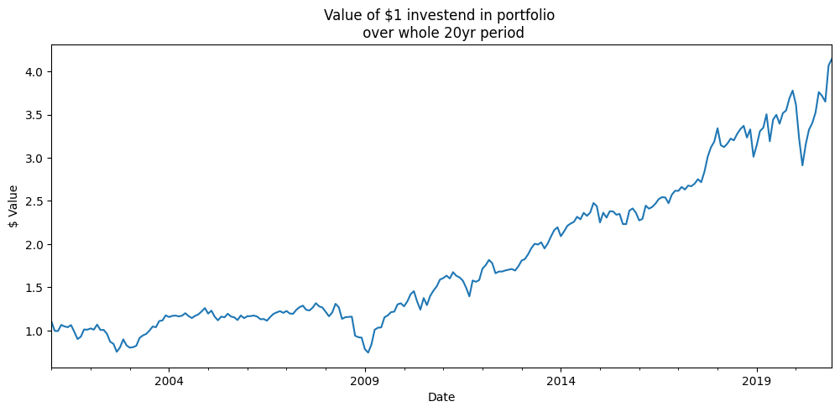
 |  | Average excess return (in % per month) |  |  |  | EXRET | Jensen's alpha (in % per month) |  |  |  | ALPHA | Sharpe Ratio |  |  |  | SR | Treynor Ratio |  |  |  | TR
Company name | Num. | 2001-2005 | 2006-2010 | 2011-2015 | 2016-2020 | 2001-2020 | 2001-2005 | 2006-2010 | 2011-2015 | 2016-2020 | 2001-2020 | 2001-2005 | 2006-2010 | 2011-2015 | 2016-2020 | 2001-2020 | 2001-2005 | 2006-2010 | 2011-2015 | 2016-2020 | 2001-2020
IBM | 1 | 0.019282959156 | 0.012964257682 | -0.0023752003209 | 0.018150452136 | 0.012005617163 | 0.020359745158 | 0.012577501509 | -0.018456748533 | 0.0071095726479 | 0.0053975176957 | 0.21 | 0.09 | -0.04 | 0.28 | 0.13 | 0.01 | 0.01 | 0.00 | 0.02 | 0.01
MSFT | 2 | -0.012556803931 | 0.032349168313 | -0.00037891606279 | -0.0047299121867 | 0.0036708840331 | -0.011155779168 | 0.031796967462 | -0.013413680697 | -0.019441577453 | -0.0030535174639 | -0.11 | 0.14 | 0.01 | -0.03 | 0.03 | -0.01 | 0.01 | 0.00 | 0.00 | 0.00
AAPL | 3 | 0.00054427305553 | -0.0013919395077 | 0.010127327774 | 0.0075001484386 | 0.00419495244 | 0.0025295547326 | -0.0016377631971 | 0.0017109828681 | -0.0005892597484 | 0.0005033786638 | 0.03 | 0.01 | 0.16 | 0.13 | 0.06 | 0.00 | 0.00 | 0.01 | 0.01 | 0.00
AMZN | 4 | 0.0042293456427 | 0.0038615067684 | 0.010229752578 | 0.012332605296 | 0.0076633025713 | 0.0057019702937 | 0.0036114837768 | -0.0059472656103 | -0.0014976598866 | 0.00046713214342 | 0.01 | 0.04 | 0.13 | 0.21 | 0.08 | 0.00 | 0.00 | 0.01 | 0.01 | 0.01
F | 5 | 0.0076461835688 | 0.0061736631971 | 0.010963750328 | 0.013944454727 | 0.0096820129553 | 0.0077266838058 | 0.0060820810303 | 0.0058486523893 | 0.0094086666593 | 0.0072665209712 | 0.18 | 0.14 | 0.31 | 0.24 | 0.20 | 0.09 | 0.02 | 0.02 | 0.03 | 0.03
WMT | 6 | 0.0010059017592 | 0.0024514166231 | 0.013390186962 | 0.023811940029 | 0.010164861343 | 0.0020164352443 | 0.0022136122974 | 0.0047888873001 | 0.014859370356 | 0.0059695762994 | 0.06 | 0.02 | 0.22 | 0.46 | 0.15 | 0.00 | 0.00 | 0.02 | 0.03 | 0.01
BLK | 7 | 0.01287566732 | 0.011840471583 | 0.019904545037 | 0.014856749932 | 0.014869358468 | 0.013524557875 | 0.011641867188 | 0.013894507314 | 0.0054241570702 | 0.011121272362 | 0.12 | 0.19 | 0.34 | 0.24 | 0.21 | 0.01 | 0.01 | 0.03 | 0.02 | 0.02
LMT | 8 | 0.0027604236001 | -4.2844464041E-05 | 0.0055869978978 | 0.011202815277 | 0.0048768480778 | 0.0032144440648 | -0.00022776895471 | -0.0030912496174 | 0.00034340096227 | 5.970661374E-05 | 0.07 | 0.00 | 0.14 | 0.15 | 0.08 | 0.01 | 0.00 | 0.01 | 0.01 | 0.01
JNJ | 9 | -0.0019233994103 | 0.001630319402 | 0.0032535178187 | 0.014702764033 | 0.0044158004608 | -0.0013790310991 | 0.0015645926148 | 0.00074466763361 | 0.010272247014 | 0.0028006190408 | -0.04 | 0.04 | 0.05 | 0.27 | 0.09 | 0.00 | 0.01 | 0.01 | 0.03 | 0.01
JPM | 10 | 0.0035647565432 | 0.0038984557702 | 0.0020673219239 | -0.0082778166076 | 0.00031317940743 | 0.0040669675928 | 0.0037986005769 | -0.0068273397185 | -0.023407762413 | -0.0055923834905 | 0.07 | 0.04 | 0.01 | -0.11 | 0.01 | 0.01 | 0.00 | 0.00 | -0.01 | 0.00
 | pfl | 0.0037429307303 | 0.0073734475368 | 0.0072769283935 | 0.010349420107 | 0.007185681692 | 0.0046605548501 | 0.0071421174303 | -0.0020748586671 | 0.00024811552085 | 0.0024939822835 | 0.06 | 0.0715958 | 0.1322918 | 0.1845112 | 0.1031555 | 0.0125561 | 0.0067399 | 0.010809 | 0.0170951 | 0.0097017
 |  | Simple measure, not adjusted for risk factor. Its average shows that it was the best in 2016-2020 period. |  |  |  |  | Jensen's alpha is realized premium over expected premium. This measure shows contrary results to average excess return. The wors period was best for previous measure. Here the best period i 2006-2012. |  |  |  |  | Sharpe Ratio gives return per unit of total risk which can be also understood as investing in our portfolio vs investing in risk free instruments. We can see that 2016-2020 period was the best one. We had 18,5% excess return per unit of risk. |  |  |  |  | Treynor Ratio tells us how well our portfolio performs against the whole market (measured by beta). Here we see that yet again the last period (2016-2020) was the best for our portfolio. We can see that our TR is positive which is preferrable but also its on much lower level than sharpe ratio which is expected since here we compare it to more risky instruments and not risk free ones.

