Sheet1
 | 1 | 2 | 3
A | 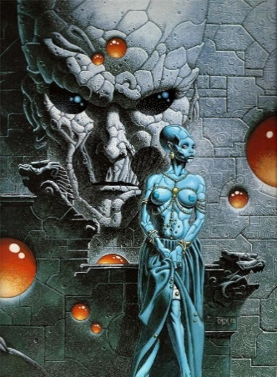 A1 - Lord Bali - provides info on the pyramid | 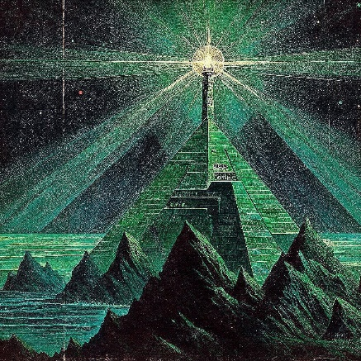 A2 - final zone - The Emerald Pyramid
B | 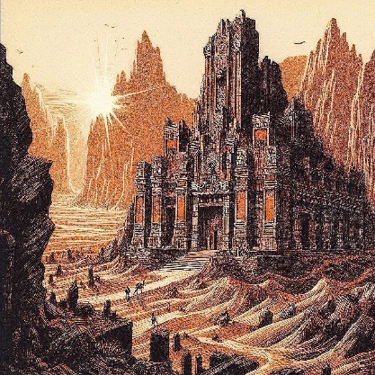 B1 - start choice | 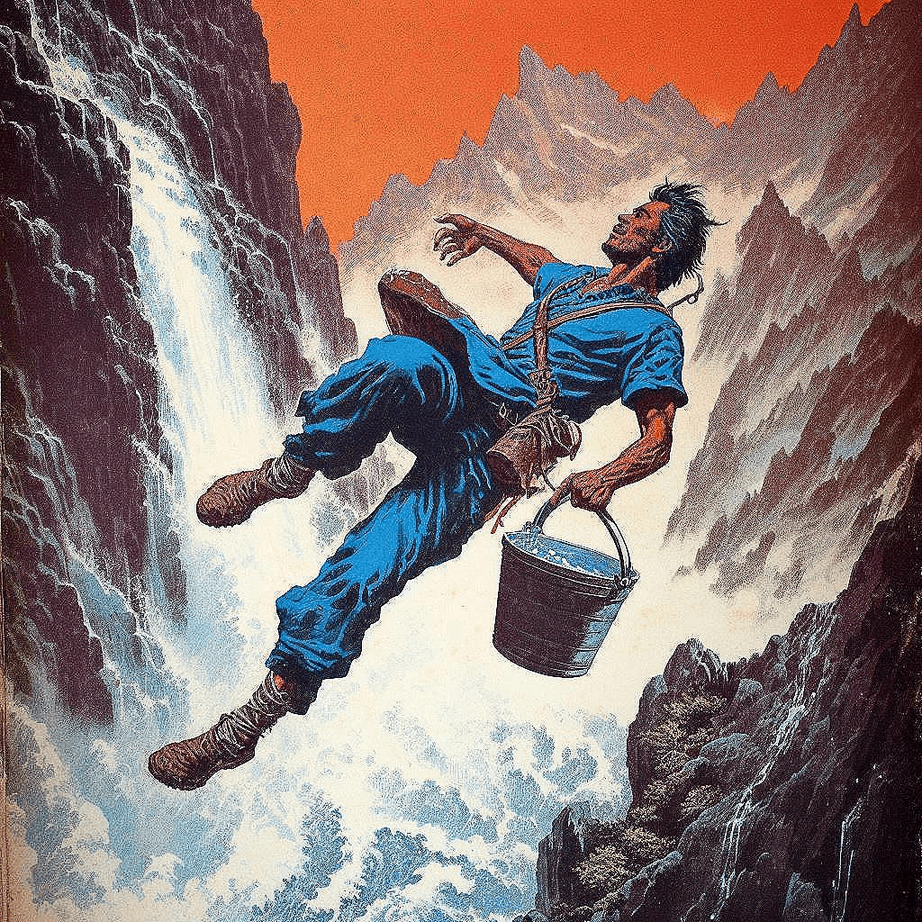 B2 - | 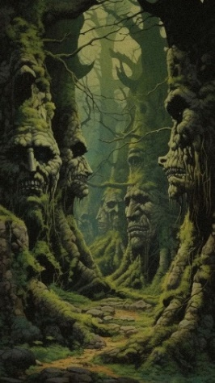 B3 - start choice - The Grove of Green Men
C | 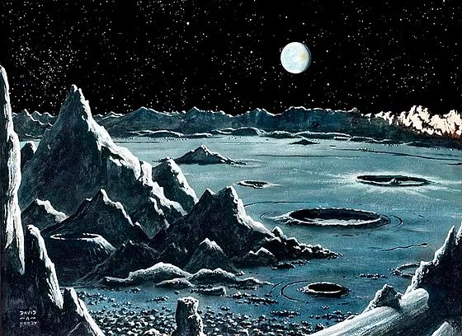 C1 - The Astronomer's Plateau | 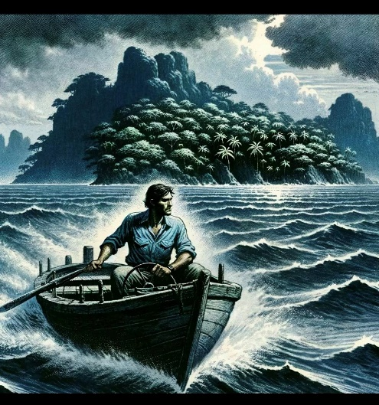 | 

