Overall
COMBINED (first batch + us batch, >= 90% gold answers != 0 and >= 90% negative answers != 1)
1: The article explains exactly how to do the step | 2. The article explains something close enough, but it’s too general. | 3: The article explains something close enough, but it’s too specific. | 4: The article explains something related, but I don’t think I can do the step with the instructions. | 5: The article is unrelated to the step.
0.2381294964 | 0.18129496403 | 0.21654676259 | 0.2 | 0.16402877698

Overall Performance

Similarity
 |  |  |  |  |  |  | Key
 |  |  |  |  |  |  | 1: The article explains exactly how to do the step
COMBINED (first batch + us batch, >= 90% gold answers != 0 and >= 90% negative answers != 1) |  |  |  |  |  |  | 2: The article explains something close enough, but it's too general.
 | 1: The article explains exactly how to do the step | 2. The article explains something close enough, but it’s too general. | 3: The article explains something close enough, but it’s too specific. | 4: The article explains something related, but I don’t think I can do the step with the instructions. | 5: The article is unrelated to the step. |  | 3: The article explains something close enough, but it's too specific.
0 - 0.4 | 19% | 17% | 15% | 17% | 31% |  | 4. The article explains something related, but I don't think I can do the step with the instructions.
0.4 - 0.5 | 21% | 15% | 18% | 21% | 25% |  | 5: The article is unrelated to the step
0.5 - 0.6 | 16% | 21% | 24% | 22% | 17%
0.6 - 0.7 | 27% | 17% | 24% | 18% | 14%
0.7 - 0.8 | 28% | 21% | 22% | 22% | 7%
0.8 - 0.9 | 49% | 18% | 18% | 13% | 2%
0.9 - 1.0 | 67% | 6% | 12% | 12% | 3%

Performance vs. Retrieved Goal Similarity

Performance by Retrieved Goal Similarity

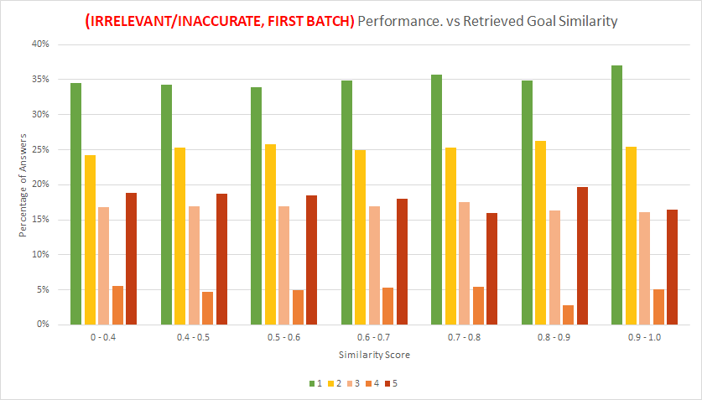

(IRRELEVANT/INACCURATE, FIRST BATCH) Performance. vs Retrieved Goal Similarity

 |  | 1 | 2 | 3 | 4 | 5
 | 0 - 0.4 | 35% | 24% | 17% | 6% | 19%
 | 0.4 - 0.5 | 34% | 25% | 17% | 5% | 19%
 | 0.5 - 0.6 | 34% | 26% | 17% | 5% | 18%
 | 0.6 - 0.7 | 35% | 25% | 17% | 5% | 18%
 | 0.7 - 0.8 | 36% | 25% | 18% | 5% | 16%
 | 0.8 - 0.9 | 35% | 26% | 16% | 3% | 20%
 | 0.9 - 1.0 | 37% | 25% | 16% | 5% | 16%

Category
Performance vs. Category
 | 1: The article explains exactly how to do the step | 2. The article explains something close enough, but it’s too general. | 3: The article explains something close enough, but it’s too specific. | 4: The article explains something related, but I don’t think I can do the step with the instructions. | 5: The article is unrelated to the step.
Arts and Entertainment | 30% | 33% | 12% | 13% | 13%
Cars & Other Vehicles | 10% | 13% | 7% | 30% | 40%
Computers and Electronics | 36% | 10% | 11% | 23% | 20%
Education and Communications | 23% | 15% | 19% | 22% | 21%
Family Life | 17% | 10% | 40% | 30% | 3%
Finance and Business | 7% | 21% | 24% | 35% | 14%
Food and Entertaining | 12% | 18% | 38% | 16% | 17%
Health | 31% | 12% | 28% | 19% | 10%
Hobbies and Crafts | 17% | 8% | 20% | 13% | 42%
Holidays and Traditions | 20% | 33% | 13% | 10% | 23%
Home and Garden | 23% | 26% | 21% | 21% | 9%
Personal Care and Style | 35% | 18% | 11% | 15% | 21%
Pets and Animals | 13% | 20% | 37% | 13% | 17%
Philosophy and Religion | 35% | 30% | 18% | 10% | 8%
Relationships | 19% | 20% | 27% | 21% | 13%
Sports and Fitness | 27% | 7% | 27% | 27% | 13%
Work World | 30% | 0% | 0% | 40% | 30%
Youth | 27% | 21% | 20% | 18% | 14%

Edit Distance
 | 1: The article explains exactly how to do the step | 2. The article explains something close enough, but it’s too general. | 3: The article explains something close enough, but it’s too specific. | 4: The article explains something related, but I don’t think I can do the step with the instructions. | 5: The article is unrelated to the step.
0 - 4 | 58% | 10% | 10% | 13% | 10%
5 - 9 | 32% | 21% | 16% | 20% | 12%
10 - 14 | 22% | 17% | 23% | 21% | 18%
15 - 19 | 18% | 18% | 22% | 19% | 23%
20 - 24 | 17% | 20% | 20% | 23% | 19%
Performance vs. Edit Distance
25 - 29 | 28% | 14% | 28% | 14% | 16%
30 - 34 | 18% | 25% | 35% | 16% | 6%
35 - 39 | 29% | 15% | 20% | 29% | 8%
40+ | 27% | 19% | 20% | 20% | 15%

