Sheet1
Summative Exam
RULES |  |  |  | EXAMPLE:
 | poor | good | excellent |  | Exam score = 20
above average | AND | Honor | OR | With High Honor | OR | With High Honor |  | Performance Task score = 5
average | OR | Honor | AND | Honor | AND | With High Honor
below average | AND | No honor | AND | No Honor | AND | With Honor |  |  |  | poor | good | excelllent
 |  |  |  |  |  |  | 0 | 0 | 1
 |  |  |  |  | above average | 0.2 | 0 ( Honor) | 0.2 (With High Honor) | 1 (With High Honor)
Summative Exam |  |  |  |  | ave | 0.8 | 0.8 (Honor) | 0 (Honor) | 0.8 (With High Honor)
Score | Above Average | Average | Below average |  | below ave | 0.7 | 0 (No Honor) | 0 (No honor) | 0.7 (With Honor)
0 | 0 | 0 | 1
10 | 0 | 0.4 | 1 |  | No Honor | 0
20 | 0.2 | 0.8 | 0.7 |  | Honor | 0, 0.8, 0.7
30 | 0.4 | 1 | 0.6 |  | With High Honor | 0.2, 0.8, 1
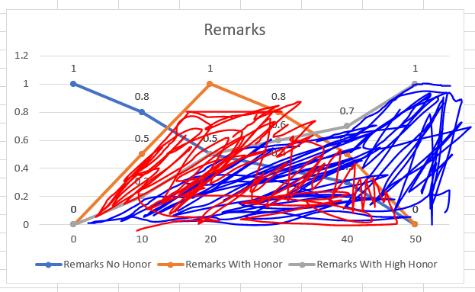
40 | 0.8 | 0.7 | 0.3
50 | 1 | 0 | 0

Performance Task
Performance Task
Score | Poor | Good | Excellent
0 | 1 | 0 | 0
1 | 0.8 | 0.5 | 0.3
2 | 0.5 | 0.7 | 0.4
3 | 0.3 | 1 | 0.4
4 | 0.2 | 0.4 | 0.8
5 | 0 | 0 | 1

Remarks
Final Average | No Honor | With Honor | With High Honor
0 | 1 | 0 | 0
10 | 0.8 | 0.5 | 0.2
20 | 0.5 | 1 | 0.5
30 | 0.4 | 0.8 | 0.6
40 | 0.3 | 0.5 | 0.7
50 | 0 | 0 | 1 |  | CFG = (0)*0 +(10)*0.5 + (20+30)*0.8 + (40)*0.7 + (50)*1 / 0 + 0.5 + (2*0.8) + 0.7 + 1
Remarks
Summative Exam
 | Summative Exam | Summative Exam | Summative Exam
0 | 0 | 0 | 1
10 | 0 | 0 | 0.5
20 | 0 | 0.5 | 0
30 | 0 | 1 | 0
40 | 0 | 0.5 | 0
50 | 1 | 0 | 0
 |  |  |  |  | 5 + 40 + 28 + 50 / 3.8
 |  |  |  |  | Remarks = 32.37

Sheet2
Summative Exam
Summative Exam |  |  |  | RULES
Score | Above Average | Average | Below average |  | poor | good | excellent
0 | 0 | 0 | 1 | above average | AND | Honor | OR | With High Honor | OR | With High Honor
10 | 0 | 0 | 0.5 | average | OR | Honor | AND | Honor | AND | With High Honor
20 | 0 | 0.5 | 0 | below average | AND | No honor | AND | No Honor | AND | With Honor
30 | 0 | 1 | 0
40 | 0 | 0.5 | 0 | Example:
50 | 1 | 0 | 0 | Summative Exam = 50
 |  |  |  | Performance Task = 5
Performance Task
Score | Poor | Good | Excellent |  | Poor | Good | Excellent
0 | 1 | 0 | 0 | Above Average | 0 | 1 | 1
1 | 0.5 | 0 | 0 | Average | 0 | 0 | 0
2 | 0 | 0.5 | 0 | Below Average | 0 | 0 | 0
3 | 0 | 1 | 0
4 | 0 | 0.5 | 0
Performance Task
5 | 0 | 0 | 1 | No Honor = 0
 |  |  |  | Honor = 0
Remarks |  |  |  | With High Honor = 1, 0
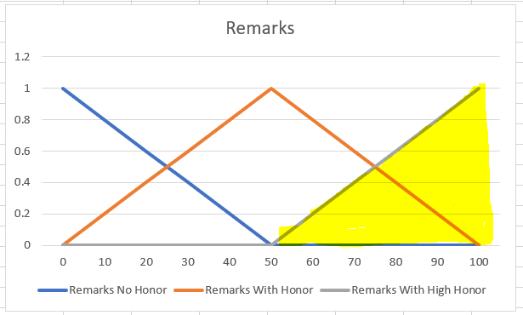
Final Average | No Honor | With Honor | With High Honor
0 | 1 | 0 | 0
10 | 0.8 | 0.2 | 0
20 | 0.6 | 0.4 | 0
30 | 0.4 | 0.6 | 0
40 | 0.2 | 0.8 | 0
50 | 0 | 1 | 0
60 | 0 | 0.8 | 0.2
70 | 0 | 0.6 | 0.4
80 | 0 | 0.4 | 0.6
90 | 0 | 0.2 | 0.8
100 | 0 | 0 | 1

Remarks

 |  |  |  | CFG
 |  |  |  | (0+10+20+30+40+50)*0 + 60*0.2 + 70*0.4 + 80*0.6 + 90*0.8 + 100*1 /
 |  |  |  | 0 + 0.2 + 0.4 + 0.6 + 0.8 + 1

 |  |  |  | 260 / 3
 |  |  |  | REMARKS = 86.66666

