F02.CFG-Paths
do not print this form |  | VVSS, Info Romana, 2018-2019

F02. crearea unui nou test (testul va contine 5 intrebari alese aleator din cele disponibile, din domenii diferite);

F02. Covered source code |  |  | F02. Control Flow Graph (CFG) | F02. Cyclomatic Complexity (CC)

Line No. | Source code |  | please insert the CFG for this requirement | CC1 = No. of regions = |  | 5
Req02_L01 | if(intrebariRepository.getIntrebari().size() < 5) |  | It may be a screen capture, image, etc. | CC2 = Edges - Nodes + 2 = |  | 5
Req02_L02 | throw new NotAbleToCreateTestException("Nu exista suficiente intrebari pentru crearea unui test!(5)"); |  | 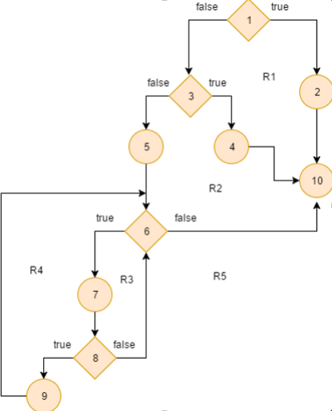 <Req02 CFG > | CC3 = No. of Conditions + 1 = |  | 5
Req02_L03 | if(intrebariRepository.getNumberOfDistinctDomains() < 5)
Req02_L04 | throw new NotAbleToCreateTestException("Nu exista suficiente domenii pentru crearea unui test!(5)");
Req02_L05 | List<Intrebare> testIntrebari = new LinkedList<Intrebare>(); List<String> domenii = new LinkedList<String>(); Intrebare intrebare; Test test = new Test(); |  |  | F02. Individual Paths
Req02_L06 | while(testIntrebari.size() != 5){
Req02_L07 | intrebare = intrebariRepository.pickRandomIntrebare(); |  |  | Path No. | Path
Req02_L08 | if(testIntrebari.isEmpty()||(!testIntrebari.contains(intrebare) && !domenii.contains(intrebare.getDomeniu()))){ |  |  | Req02_P01 | 1T-2-10
Req02_L09 | testIntrebari.add(intrebare); domenii.add(intrebare.getDomeniu()); |  |  | Req02_P02 | 1F-3T-4-10
Req02_L10 | test.setIntrebari(testIntrebari); return test; |  |  | Req02_P03 | 1F-3F-5-6F-10
 |  |  |  | Req02_P04 | 1F-3F-5-6T-7-8F-6F-10
 |  |  |  | Req02_P05 | 1F-3F-5-6T-7-8T-9-6F-10
 |  |  |  | P03 ⊂ P04, P05 => 4TC

