Introduction
IBM
Rank Yourself With The Storage Cyber Resiliency Assessment Tool (CRAT)
July 2021 - Tool version: v.3 Beta
For any comment or question about this tool contact: juan.c.jimenez@ibm.com

Introduction

MODEL
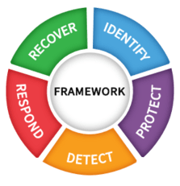
INTENDED AUDIENCE
Storage & Backup Administrators, IT, Security representative + Decision Makers / Business Owners fo Result Presentation
HOW TO USE THIS TOOL
To use this tool you have to follow the different tabs. - Introduction Tab: Understand how to use the tool and the maturity model levels. - Value Proposition Description: One-Pager describing the tool's value proposition, timeline, and outcome. - Customer Basic Info: Enter basic information about you and the customer you are evaluating - Self-Assessment: Answer all the questions about the current capabilities. This is the As-Is assessment phase. For every capability in the assessment the tool assigns you a score of 0, 0.5, or 1 based on your responses. These scores are mapped to five maturity levels. - Results: Your current maturity levels for all the capabilities are presented summarized with visual representations.
MATURITY MODEL LEVEL DEFINITIONS

Controls are implemented, processes are highly matured, practices mastered over several years, adaptive and quantitatively measured (Industry leading)

The controls are planned, implemented, tracked, reported. In addition practices are repeatable and the processes used are Mature: Documented, approved, and implemented organization-wide

The controls are planned, implemented, tracked and reported on. Defined practices and governance

Base practices of the control are generally performed on an ad hoc basis. There is general agreement within the organization that identified actions should be performed, and they are performed when required

There are little to no controls or practices in place

Value Proposition Descrip.
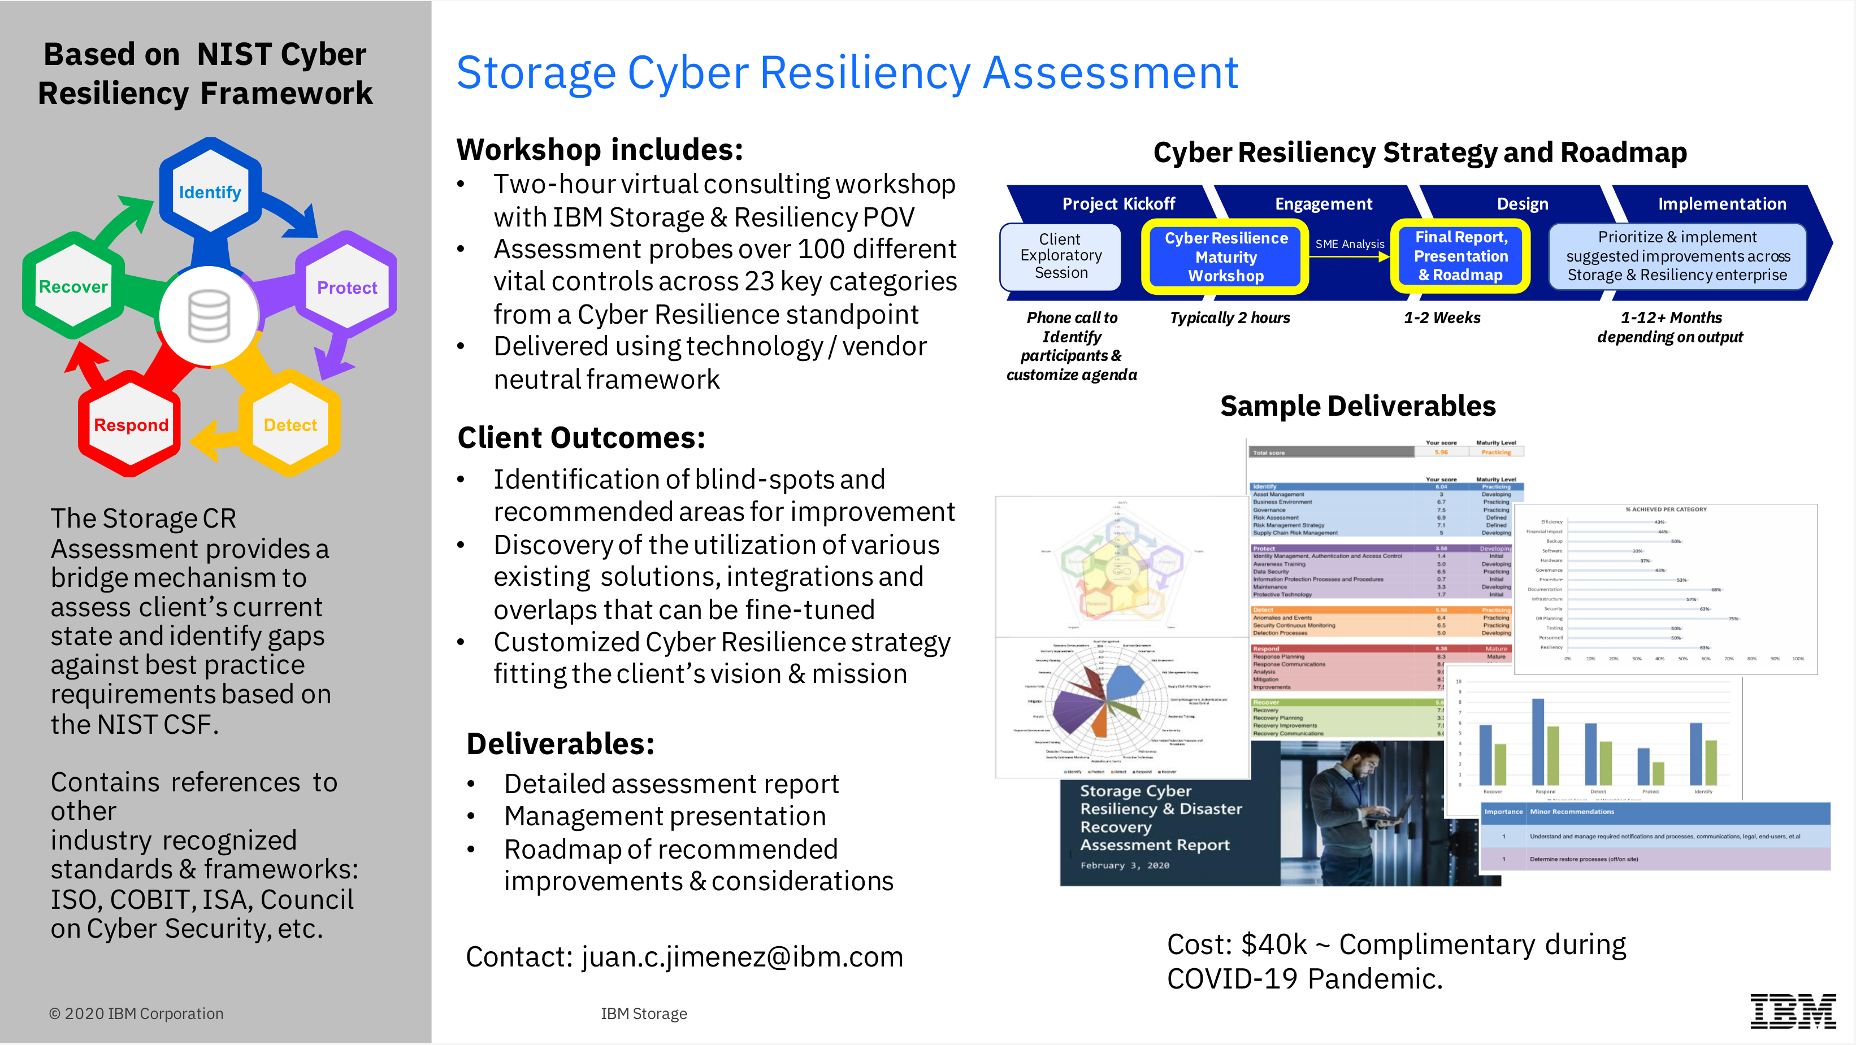
Based on the NIST Cybersecurity Framework

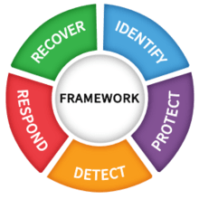

- Vendor Neutral
- Complimentary
- Non-Invasive
- Quick (2 hrs to complete)

Results
Storage Disaster Recovery / Cyber Resiliency Assessment Results | PROFILE | SCORE | LEVEL

 |  | Your score | Maturity Level
 | Total score | 7.82 | Mature

Identify | 5.08
Protect | 8.69
Detect | 8.22
Respond | 8.53
Recover | 8.59
 | Identify | 5.08 | Developing
 | Asset Management | 7.83 | Practicing
 | Business Environment | 3.86 | Developing
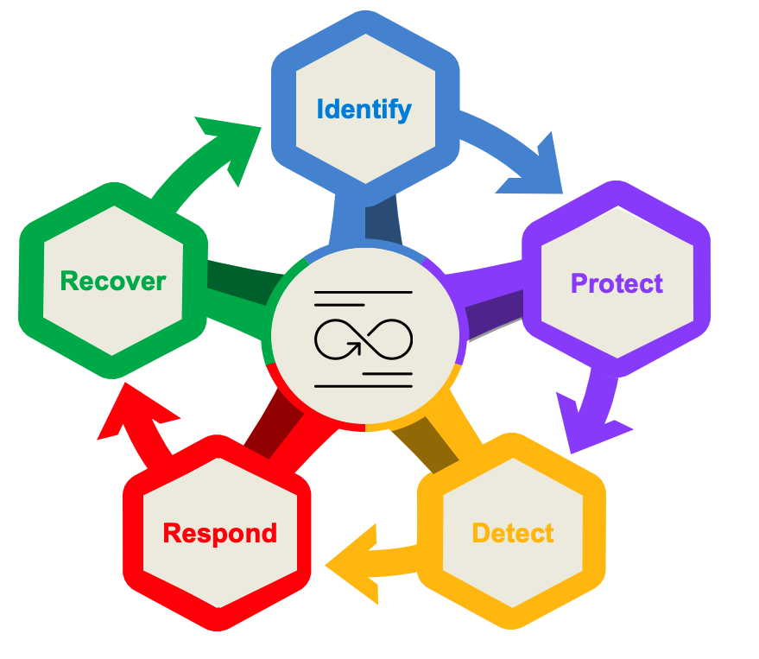
 | Governance | 2.61 | Initial
 | Risk Assessment | 7.65 | Practicing
 | Risk Management Strategy | 2.12 | Initial

 | Protect | 8.69 | Mature
 | Identity Management, Authentication and Access Control | 9.42 | Mature
 | Awareness Training | 10.00 | Leading
 | Data Security / Protective Technology | 7.29 | Practicing
 | Information Protection Processes and Procedures | 9.69 | Mature
 | Maintenance | 10.00 | Leading

 | Detect | 8.22 | Mature
 | Anomalies and Events | 8.80 | Mature
 | Security Continuous Monitoring | 7.63 | Practicing
 | Detection Processes | 8.22 | Mature

 | Respond | 8.53 | Mature
 | Response Planning | 8.17 | Mature
 | Response Communications | 9.58 | Mature
 | Analysis | 8.95 | Mature
 | Mitigation | 7.93 | Practicing
 | Improvements | 10.00 | Leading

 | Recover | 8.59 | Mature
 | Recovery | 8.97 | Mature
 | Recovery Planning | 8.03 | Mature
 | Recovery Improvements | 10.00 | Leading
 | Recovery Communications | 10.00 | Leading

 | Identify | Protect | Detect | Respond | Recover
Asset Management | 7.8 | 0 | 0 | 0 | 0
Business Environment | 3.9 | 0 | 0 | 0 | 0
Governance | 2.6 | 0 | 0 | 0 | 0
Risk Assessment | 7.7 | 0 | 0 | 0 | 0
Risk Management Strategy | 2.1 | 0 | 0 | 0 | 0
Identity Management, Authentication, and Access Control | 0.0 | 9.4186046512 | 0 | 0 | 0
Awareness Training | 0.0 | 10 | 0 | 0 | 0
Data Security / Protective Technology | 0.0 | 7.2887323944 | 0 | 0 | 0
Information Protection Processes and Procedures | 0.0 | 9.6913580247 | 0 | 0 | 0
Maintenance | 0.0 | 10 | 0 | 0 | 0
Anomalies and Events | 0.0 | 0 | 8.8010204082 | 0 | 0
Security Continuous Monitoring | 0.0 | 0 | 7.6315789474 | 0 | 0
Detection Processes | 0.0 | 0 | 8.2222222222 | 0 | 0
Response Planning | 0.0 | 0 | 0 | 8.1746031746 | 0
Response Communications | 0.0 | 0 | 0 | 8.9473684211 | 0
Analysis | 0.0 | 0 | 0 | 8.9473684211 | 0
Mitigation | 0.0 | 0 | 0 | 7.9347826087 | 0
Improvements | 0.0 | 0 | 0 | 10 | 0
Recovery | 0.0 | 0 | 0 | 0 | 8.9743589744
Recovery Planning | 0.0 | 0 | 0 | 0 | 8.0319148936
Recovery Improvements | 0.0 | 0 | 0 | 0 | 10
Recovery Communications | 0.0 | 0 | 0 | 0 | 10

% Achieved
 | % Achieved
Resiliency | 70%
Testing | 78%
DR Planning | 36%
Security | 76%
Infrastructure | 94%
Documentation | 71%
Procedure | 79%
Governance | 64%
Hardware | 89%
Software | 83%
Backup | 83%
Financial Impact | 43%
Efficiency | 46%
Threat Intelligence | 76%
Run Books | 89%
Zero Trust | 70%
Identity Management | 88%
Best Practice | 86%

Ransomware % Achieved
Achieved | 83%
Missing | 17%

