Process Model
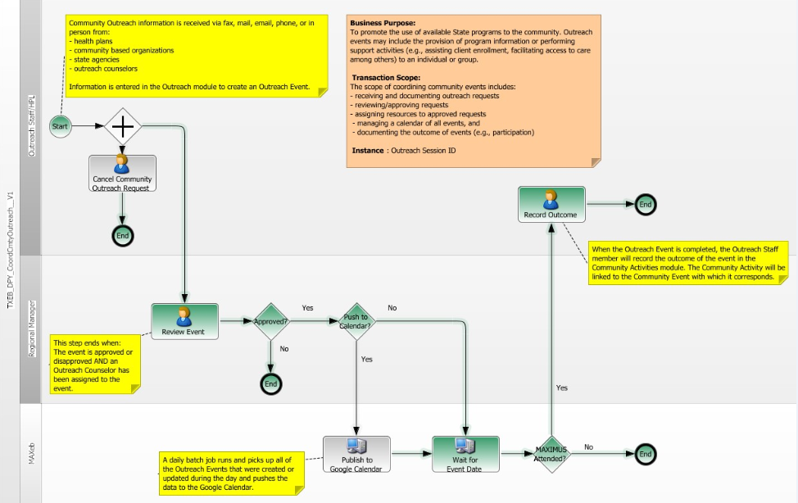
This model represents the state of the deployment process as of 6/7/2013.

