Process Model
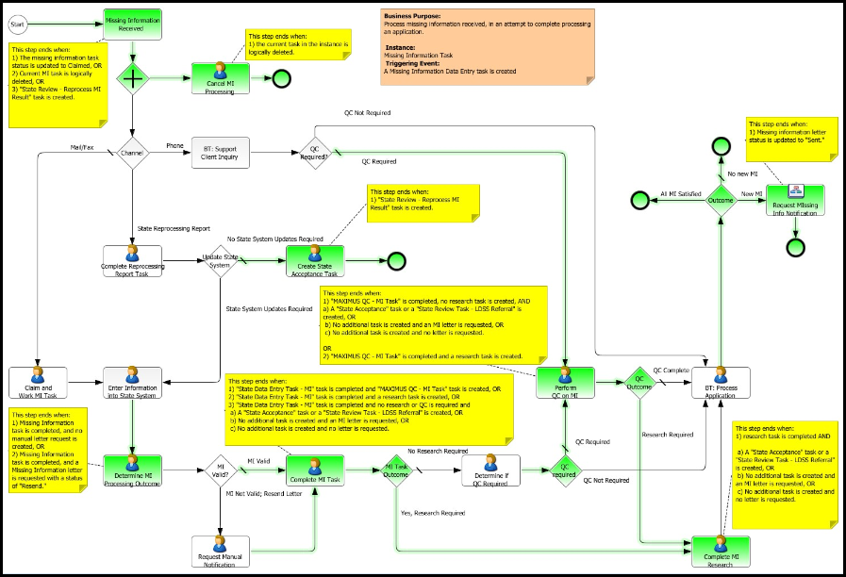
This model represents the state of the deployment process as of 6/19/2012.

