Welcome
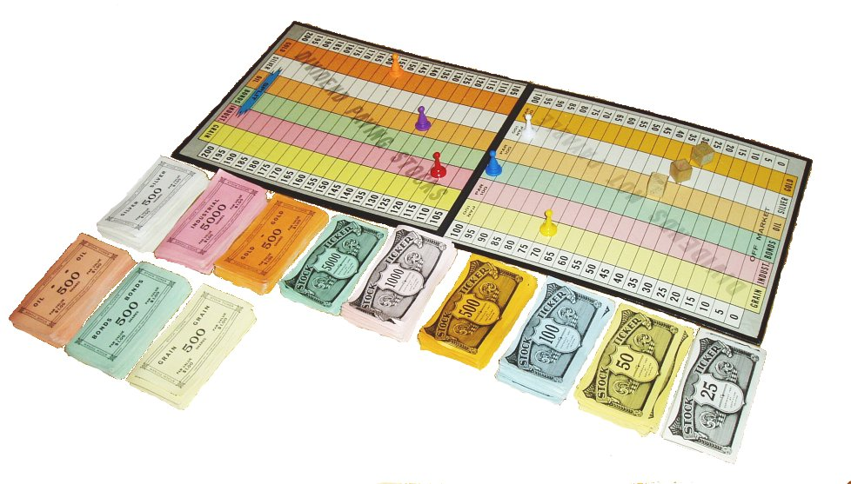
Welcome to Stock Ticker

This application is a replica of the 1937 board game Stock Ticker created by Copp-Clark Publishing.
Created by Max Dann
 | For this game to run correctly please ensure that all associated files are stored in the same location.

