Sheet1
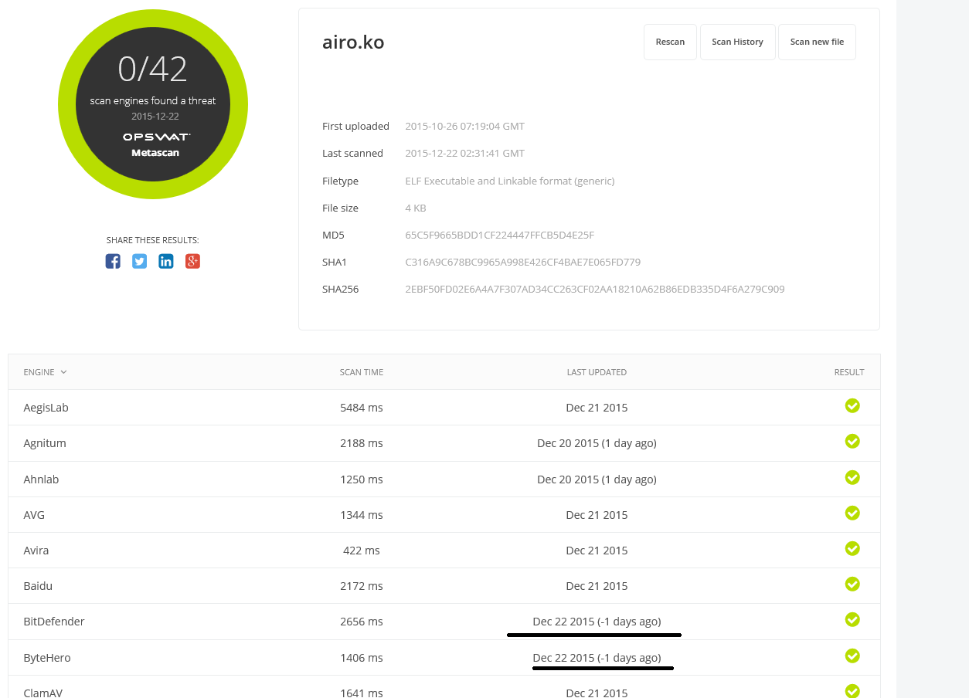

 | Normal string

 |  | http://metadefender.com
 |  | http://google.com

Object

