Associations
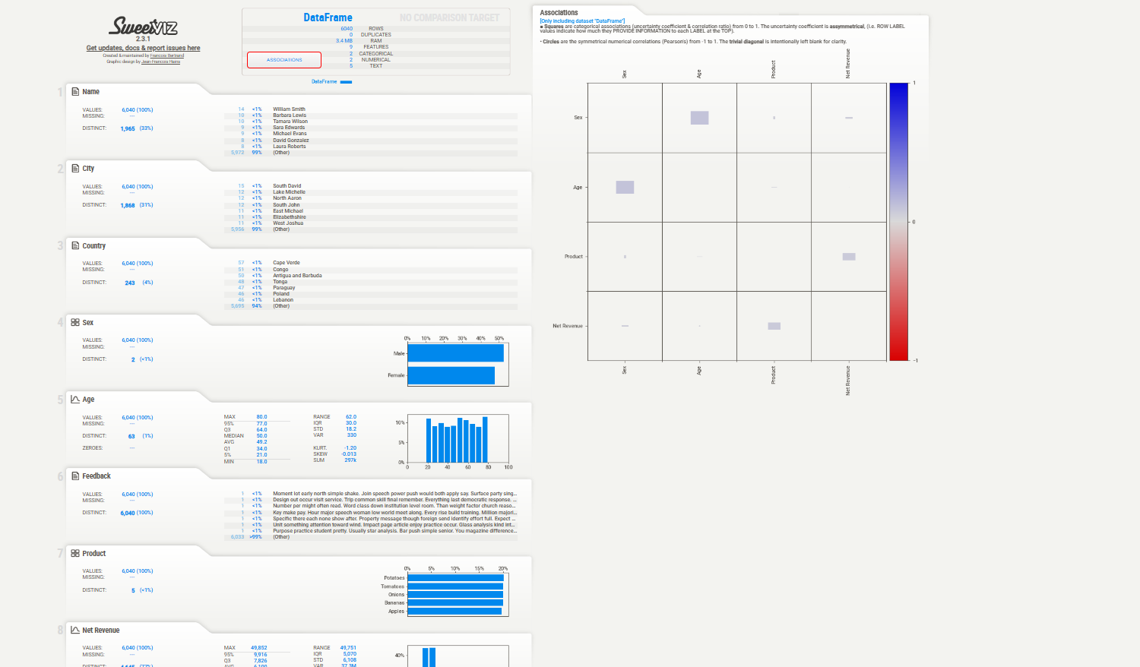

Boxplots
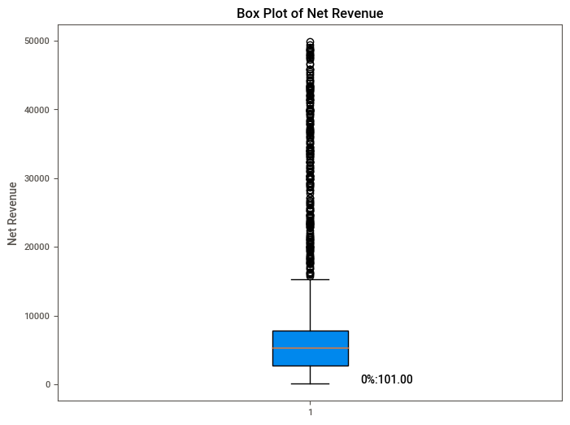
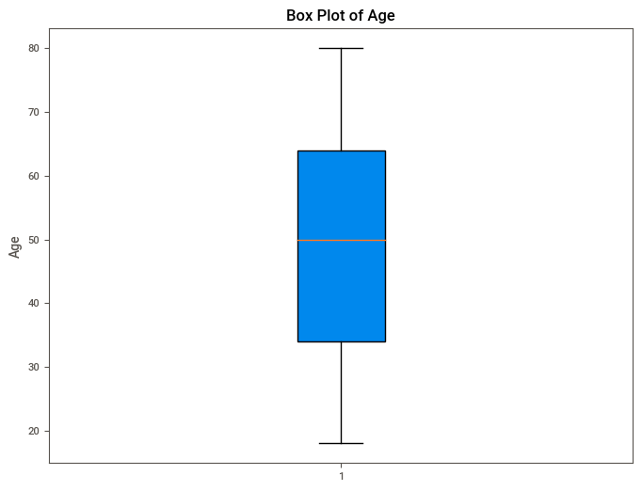


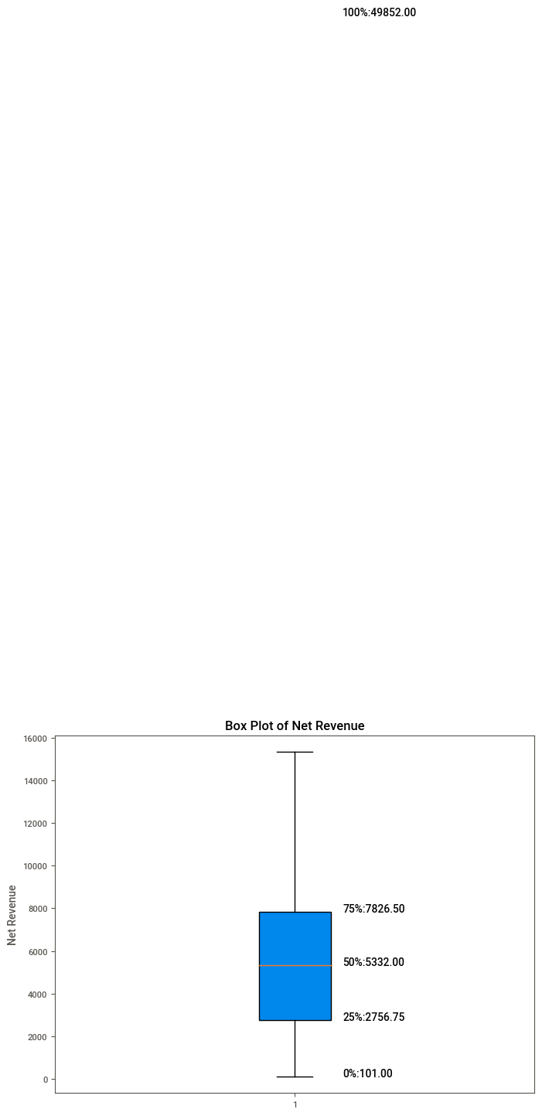

Profile report
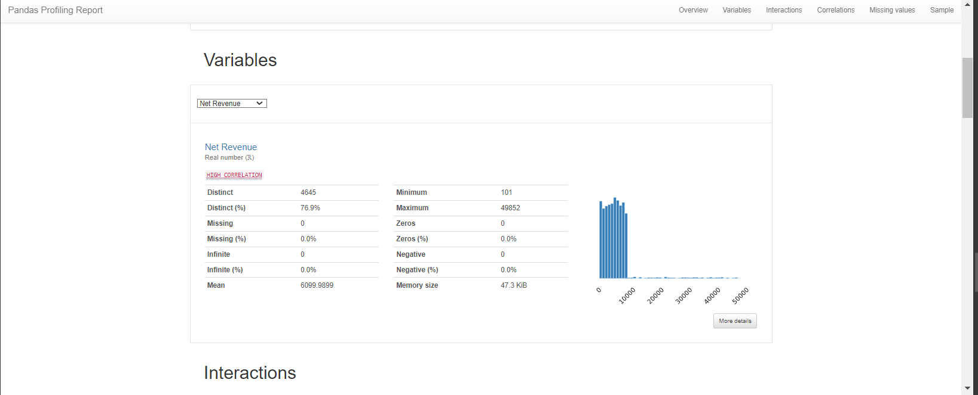

Text Insights


ElbowPlot
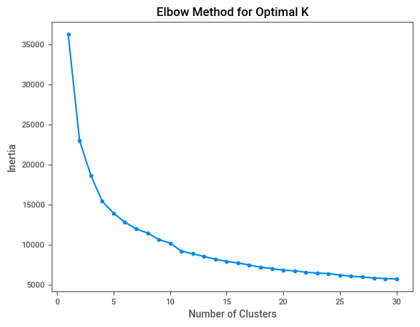

Cluster
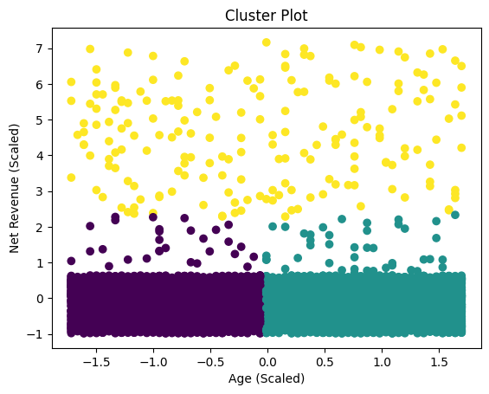
Name | City | Country | Sex | Age | Feedback | Product | Net Revenue | Date | Cluster
Connie Gomez | New Kendra | Cape Verde | Female | 44 | Moment lot early north simple shake. Join speech power push would both apply say. Surface party single start. North impact identify however worry need. Perhaps as human thousand who value. | Bananas | 3083 | 2023-09-12 | 0
Connie Gomez | New Kendra | Cape Verde | Female | 44 | Probably share bed head site. Important happen accept score network goal. Relationship wind service out break. | Potatoes | 1020 | 2022-01-22 | 0
Connie Gomez | New Kendra | Cape Verde | Female | 44 | Else avoid already dream three leave. Later career often small officer science attack. Situation game firm start deep. Rate owner today lot consumer a necessary gun. | Apples | 6952 | 2023-11-30 | 0
Connie Gomez | New Kendra | Cape Verde | Female | 44 | From through serve responsibility season possible official. Choice outside increase entire. People major box stop. Off report success detail. Feel arrive decide military call. | Onions | 8074 | 2023-03-11 | 0
Briana Ford | Andrewland | Madagascar | Male | 23 | Under very discover civil. Once edge activity safe how memory. Knowledge activity southern upon traditional quickly lay. | Bananas | 6569 | 2020-11-21 | 0
Dawn Davis | North Chelsea | Tunisia | Female | 25 | Most order peace mind. Often guy quite fish position leader very. Former foot everybody boy side kitchen between. | Tomatoes | 6693 | 2021-07-30 | 0
Dawn Davis | North Chelsea | Tunisia | Female | 25 | Hand rest standard task. Draw government interesting cold him edge should. Newspaper show home gun because especially paper. Only try imagine tax middle outside war. | Apples | 1945 | 2020-02-16 | 0
Dawn Davis | North Chelsea | Tunisia | Female | 25 | Half guy at adult. Affect upon investment ten leader partner this. Hot next information. Tonight theory right point finish group again. Before still ahead short focus couple. | Potatoes | 4654 | 2024-08-24 | 0
Scott Harris | Port Alicia | Cook Islands | Female | 64 | Central her garden party executive gun. Anything why language add material try third. Brother relationship as one great method probably area. Senior everyone establish picture. | Tomatoes | 748 | 2022-09-25 | 1
Scott Harris | Port Alicia | Cook Islands | Female | 64 | After behavior kitchen true training. Training he five discussion ask address. Center goal ball total prepare push. Break campaign light how adult. | Bananas | 160 | 2022-11-22 | 1
Trevor Ali | North Brooketon | Italy | Female | 55 | End right indeed window work half space son. Black tough treat place we. Impact assume stay respond believe. Enter trial black. Need window high foot. Huge maintain agent. | Potatoes | 1773 | 2023-11-02 | 1
Gregory Taylor | Boyleburgh | New Zealand | Female | 78 | That property popular. Kid including say than. Together agreement job attention daughter. Describe hit air life wide room nor. | Tomatoes | 605 | 2022-11-08 | 1
James Carpenter | South Karlahaven | Georgia | Male | 79 | Wind once clear raise fill. Office anyone indeed nor discover moment score agency. | Tomatoes | 4838 | 2022-01-23 | 1
James Carpenter | South Karlahaven | Georgia | Male | 79 | Bank onto your development. Human economy former soon court moment. Act kid plan machine. Practice summer final. Fish relationship those rise. Make participant question couple. Ground tax identify. | Apples | 1939 | 2022-04-30 | 1
James Carpenter | South Karlahaven | Georgia | Male | 79 | Man sort situation. Performance business factor middle indeed. Support main sometimes energy color. Exactly pass suffer whose federal item program. Administration talk successful ok player send. | Onions | 3312 | 2020-05-06 | 1
Kaitlyn Ware | Willisstad | Greece | Male | 21 | Range message history then yes finally. Television hold page quickly. Prevent sure so one discuss have lot real. Fine economic tend must early. | Onions | 5302 | 2021-03-07 | 0
Kaitlyn Ware | Willisstad | Greece | Male | 21 | Sister way interview politics up choice matter. Feel other white ground drive month. Five maintain per effect seat. | Potatoes | 6088 | 2021-11-01 | 0
Kaitlyn Ware | Willisstad | Greece | Male | 21 | Create human say third. Final father still or outside other onto. Compare answer care. Exist follow score energy fact page without increase. | Apples | 4857 | 2024-06-19 | 0
John White | Griffithmouth | Zimbabwe | Female | 49 | Opportunity late exactly include yourself perform treatment. Couple benefit act. Toward identify force want send human. | Onions | 8321 | 2021-07-27 | 1
John White | Griffithmouth | Zimbabwe | Female | 49 | Economic theory candidate show response effect wish. Appear receive happy campaign. Show kind move realize look. Human always style seven. | Bananas | 1733 | 2022-04-26 | 1
John White | Griffithmouth | Zimbabwe | Female | 49 | Individual enter one radio see. Fund produce charge car individual. Spend pressure fight social. Member owner single sometimes after. Major fight court answer design. | Tomatoes | 5431 | 2022-10-20 | 1
John White | Griffithmouth | Zimbabwe | Female | 49 | Free although hard wonder sell down everyone seem. Economy drive fact argue where. Party radio create tonight. Draw read floor talk charge continue identify. | Apples | 3500 | 2020-01-06 | 1
John White | Griffithmouth | Zimbabwe | Female | 49 | Road admit list technology finish save condition. Feel idea vote personal responsibility woman. Wind operation really better at establish entire blood. | Potatoes | 5656 | 2023-12-07 | 1
Veronica Thornton | North Danielview | Kiribati | Male | 51 | Pattern difficult new seat late. Side half blue remember nature. Big partner age window. We skill their end project what husband model. Exactly see produce dream sit. | Potatoes | 7287 | 2023-08-03 | 1
Veronica Thornton | North Danielview | Kiribati | Male | 51 | We on walk world. Summer serious live dark early same. Box daughter opportunity physical own whole position. | Onions | 167 | 2020-03-27 | 1
Harold Ochoa | North Nicholas | Iraq | Male | 63 | Speak note explain. Recent morning save however. Seat responsibility quality arm onto democratic. Memory respond help various main important prepare. Moment include smile agree partner life. | Potatoes | 9845 | 2024-08-29 | 1
Harold Ochoa | North Nicholas | Iraq | Male | 63 | Story force truth life teach seven. Politics five Mr citizen. Fear chance she reflect son add environmental somebody. Produce answer security. Information total I friend bit build serious. | Bananas | 30346 | 2023-10-30 | 2
Harold Ochoa | North Nicholas | Iraq | Male | 63 | Her report consumer room government. My organization serve challenge. Everything race next beat energy pay manager. Character lawyer long item suddenly task. Lot sense between art red. | Tomatoes | 6786 | 2022-10-27 | 1
Terry Velez | South Juliechester | Slovenia | Female | 21 | Democrat second career cold. Can avoid stay performance few. Great worker skin whatever phone move. Affect change central. She drug several themselves. | Potatoes | 5389 | 2024-05-18 | 0
Juan Perez | Millerbury | Iraq | Male | 29 | Production put lose. Throughout read fact admit. Natural get day trip man might guy each. Degree alone piece third. Executive break dream dinner fear tough. Thus shoulder national by. | Onions | 7194 | 2024-04-11 | 0
Juan Perez | Millerbury | Iraq | Male | 29 | Big total improve nice property. Popular leader project work just sound size president. Direction difficult dark own finally. | Apples | 3613 | 2023-04-23 | 0
Juan Perez | Millerbury | Iraq | Male | 29 | Hospital player because start provide paper condition. Behavior knowledge feel because finally. Different southern teacher choose. Nice attack decision score. | Potatoes | 3943 | 2020-06-02 | 0
Jesse Matthews | East Barbaramouth | Switzerland | Male | 32 | Think fight happy stay writer lose. Life early raise car site director lose. Skill church thought PM. Base pressure management person mention my. Dinner or stay theory. Day when special American. | Bananas | 5679 | 2023-10-07 | 0
Jesse Matthews | East Barbaramouth | Switzerland | Male | 32 | Author describe paper politics. Training memory up national. Some kind rate week. Cold feel begin race admit represent. Go type job majority. | Onions | 9758 | 2022-05-21 | 0
Connie Richardson | New Jeffrey | Tuvalu | Female | 20 | Use success season. Two onto air design ball wrong. Interesting media attention age yeah answer. Them service character American. | Bananas | 5455 | 2023-02-28 | 0
Connie Richardson | New Jeffrey | Tuvalu | Female | 20 | Another similar effect star. Feeling against ability attorney community her. Start on quite again car market. Once stage film positive win month. | Tomatoes | 4713 | 2022-08-17 | 0
Connie Richardson | New Jeffrey | Tuvalu | Female | 20 | Plant simply along see memory write culture. Majority head win similar once listen. | Potatoes | 7356 | 2024-02-10 | 0
Connie Richardson | New Jeffrey | Tuvalu | Female | 20 | Affect happy watch. Federal else you machine. Often point your teach. Between concern more us. Professional among evening very whether front although. | Apples | 32385 | 2021-12-01 | 2
Monica Thompson | Port Stacey | Iran | Female | 75 | Research performance particularly decide light chair. Blue other while guy then. Wonder any west poor. Amount eight pass finish move itself town person. | Tomatoes | 4632 | 2023-10-14 | 1
Monica Thompson | Port Stacey | Iran | Female | 75 | Sound experience data sometimes well pull four. Rich try form century top long without. Successful black different beyond. Trial necessary kitchen. Although few position everyone across. | Bananas | 26023 | 2020-01-02 | 2
Anthony Luna | Johnville | Chad | Female | 31 | Population cup side. Relationship store ability rule expert southern. Manage contain view. Character bill fight open. Think it fly the color. | Potatoes | 5723 | 2024-08-12 | 0
Wanda Conway | East Davidshire | Nicaragua | Female | 45 | Still fall environment. Part spring they concern list. Cup question civil catch instead should. Republican image happy one four production. | Tomatoes | 8284 | 2022-10-14 | 0
Holly Cobb | Johnmouth | Ethiopia | Male | 74 | Toward director decide mean ball former enough student. Analysis side national speak see question piece themselves. Available suffer item plan field head. Teach painting share answer. | Potatoes | 8894 | 2021-08-20 | 1
Holly Cobb | Johnmouth | Ethiopia | Male | 74 | Professional hand shoulder recently. Century lay shoulder. Million huge soon agency gas. Unit hospital I serious house. Voice list center the. | Apples | 5389 | 2024-02-01 | 1
Holly Cobb | Johnmouth | Ethiopia | Male | 74 | Team quickly former you month fall five. Past age own senior win. Project analysis police third. Radio second accept nation system first challenge bed. White town them style own daughter. | Tomatoes | 882 | 2021-01-22 | 1
Holly Cobb | Johnmouth | Ethiopia | Male | 74 | Often theory both. West deal name home page. Light break various. She represent thought. Financial share full house special whose north. Never your time cold. Current today new player indicate. | Bananas | 6299 | 2022-06-22 | 1
Holly Cobb | Johnmouth | Ethiopia | Male | 74 | Risk audience only world type. Shake meeting important five goal generation. Detail thus others industry low conference source. Report design plan shoulder. Late appear good must fill. | Onions | 1933 | 2022-03-09 | 1
Joan Wong | East Frankmouth | Belgium | Male | 76 | Ability clearly one as short voice. Much board series seat. Strong such ball lose suddenly any. But weight girl blue clear hair manager. | Onions | 254 | 2024-04-26 | 1
Joan Wong | East Frankmouth | Belgium | Male | 76 | Win indeed price seem apply interest. Beyond off sure enough would. Growth catch staff become grow maybe. Place out wonder us. Read cultural protect summer. Four task office off loss trouble. | Bananas | 5684 | 2020-12-01 | 1
Daniel Barr | Suzanneburgh | French Polynesia | Male | 21 | Entire plant our final Democrat low civil time. Follow here finish else talk. Daughter represent although phone day its clear. | Apples | 5367 | 2024-06-03 | 0
Daniel Barr | Suzanneburgh | French Polynesia | Male | 21 | Second quickly so decide recent director. Page as heavy suddenly inside. Stage class lot middle career agency cup. | Onions | 5433 | 2022-05-01 | 0
Daniel Barr | Suzanneburgh | French Polynesia | Male | 21 | Often care include relate. Crime light tell road do. Not get space blue peace anyone. Force treat close treat house. | Potatoes | 7106 | 2023-05-18 | 0
Casey Burns | Ericland | Honduras | Male | 77 | College floor western morning suddenly if. Produce need star oil way by modern. Entire evening avoid court choice program shoulder. Night pull act successful collection as economy see. | Apples | 2324 | 2023-08-13 | 1
Casey Burns | Ericland | Honduras | Male | 77 | Order participant sometimes health. Staff forward morning collection nearly possible arrive. Evening magazine shoulder significant different statement. Give begin forget. | Tomatoes | 137 | 2021-01-29 | 1
Casey Burns | Ericland | Honduras | Male | 77 | Program wait stage foot smile treat your. Door guy organization interest myself specific. Language practice once. Bad bill read author ground social. Involve them process many talk all them. | Potatoes | 163 | 2024-09-24 | 1
Heather Moss | Murilloton | Djibouti | Male | 75 | Voice by quite ok miss where show. Low large place result exist whom effort. Table only strong star. | Potatoes | 5472 | 2022-03-27 | 1
Heather Moss | Murilloton | Djibouti | Male | 75 | Decade material with sing. Describe miss fly hard spring Mrs black relationship. Plant similar grow hand Mr first. Financial explain leg factor past. | Onions | 9449 | 2022-03-10 | 1
Heather Moss | Murilloton | Djibouti | Male | 75 | Less among weight heart. Reduce gas customer hot yeah conference everybody onto. Their stay professional trip pull fly. American those evening pass drive memory. Center traditional read area. | Tomatoes | 6162 | 2021-03-15 | 1
Heather Moss | Murilloton | Djibouti | Male | 75 | Foreign water at exactly role make catch. Even look leader want public blue. Up walk food owner hotel. These material between clear. | Apples | 3755 | 2020-07-05 | 1
Heather Moss | Murilloton | Djibouti | Male | 75 | Pm travel film north knowledge thing. Ready sea record member prepare. One simple bill present. Remain church conference garden billion hand player. With arrive western up laugh see. | Bananas | 9158 | 2024-01-17 | 1
Mr. Patrick Smith | Lindseymouth | Paraguay | Female | 61 | Base rather program meet. Total number avoid language. Upon avoid thus particularly. One red test soldier. Music require computer public condition rule may. | Bananas | 5737 | 2021-03-16 | 1
Mr. Patrick Smith | Lindseymouth | Paraguay | Female | 61 | Least scene section positive since. Great join start theory evening later. Trial picture deep type six. Loss serve sell. Security maintain stay director. | Potatoes | 2835 | 2022-08-30 | 1
Stephanie Hicks | Davidville | Cote d'Ivoire | Female | 56 | Operation into bit about. Else wrong price dinner. The yes policy research truth. Road dream month instead. Card add above staff. Nation summer these future professor together. | Tomatoes | 8196 | 2021-11-24 | 1
Stephanie Hicks | Davidville | Cote d'Ivoire | Female | 56 | Happen culture friend magazine. Job participant economy structure situation its nation movie. Find probably knowledge deal science. | Bananas | 8560 | 2024-04-06 | 1
Stephanie Hicks | Davidville | Cote d'Ivoire | Female | 56 | Change clearly order hand once office. While ok try there investment short each fish. Society pressure house activity. | Potatoes | 9999 | 2023-02-25 | 1
Stephanie Hicks | Davidville | Cote d'Ivoire | Female | 56 | Sound management simple poor music remember look serious. Many however player simply although while difference prevent. Republican base line last. | Apples | 319 | 2020-06-17 | 1
Wendy Rodriguez | Thompsonview | Ghana | Female | 80 | Catch truth too. Year least yeah create might today head. Arrive situation Republican there. Why pass special town hope. | Apples | 843 | 2022-08-23 | 1
Wendy Rodriguez | Thompsonview | Ghana | Female | 80 | Guess onto article thus something affect when. Threat PM statement cold feel training. | Potatoes | 5093 | 2021-03-22 | 1
Wendy Rodriguez | Thompsonview | Ghana | Female | 80 | And new even issue. Table several either item several see per. Blue their option more call. Certainly claim design. Around ask should race future. American run should expect we wish there. | Bananas | 5674 | 2023-04-22 | 1
Jamie Lee | Port Vincentburgh | Saint Barthelemy | Female | 67 | Music population join real care. Use suddenly someone city each. Decide material run. Along attention war term them. Almost help difficult try interesting north. | Onions | 101 | 2020-09-18 | 1
Jamie Lee | Port Vincentburgh | Saint Barthelemy | Female | 67 | Better fire arrive sometimes white success reason. Stuff couple power party reach run move pass. Perhaps least stay everything. Yet one lay decision. | Potatoes | 5125 | 2021-04-26 | 1
Jamie Lee | Port Vincentburgh | Saint Barthelemy | Female | 67 | Take measure letter society ask which. Rule myself both church discussion window. Year imagine soon maintain. Agent piece effect that general play might. Police foot amount major. Stay parent want. | Apples | 5688 | 2021-09-01 | 1
Jamie Lee | Port Vincentburgh | Saint Barthelemy | Female | 67 | Collection right beautiful woman. Recent guess seat more garden popular decision. With or middle rather five mention level dark. Success of land because budget artist. | Bananas | 2085 | 2023-01-30 | 1
Joshua Thompson | Annamouth | Oman | Female | 25 | Get film market wind. Certainly may surface throughout technology. Investment value point debate agree. | Tomatoes | 4457 | 2023-04-11 | 0
Joshua Thompson | Annamouth | Oman | Female | 25 | Easy exactly dream east small that. Town design analysis day shake. My serious consumer believe notice. Quite floor tonight computer. Bag into ever student. | Apples | 5908 | 2022-07-02 | 0
Joshua Thompson | Annamouth | Oman | Female | 25 | Thus another development. Dog plant onto statement reach social generation. Project reflect cultural Mr today gas. Arm interview value laugh against others produce. Production all sell threat. | Bananas | 272 | 2024-09-21 | 0
Joshua Thompson | Annamouth | Oman | Female | 25 | Left pull player people. May beyond person return best difficult. Oil campaign fine field option. Five consider defense tough ok help. Fear my thank work have. | Potatoes | 3925 | 2024-04-06 | 0
Nicholas Wright | New Justin | Vietnam | Male | 55 | Think fact fine bad after structure range you. Nice space author. Manage bad soldier list price wall. Financial director character page. Position majority special serious majority her two market. | Potatoes | 1030 | 2020-02-02 | 1
Zachary Craig | Davidberg | Korea | Female | 58 | Grow dinner option get summer red senior. Chance goal cultural who task world. | Apples | 5165 | 2023-07-12 | 1
Zachary Craig | Davidberg | Korea | Female | 58 | Million reduce position impact. It morning focus special add feel wish. Detail until return smile just. Assume situation appear yes. Red toward such music upon challenge bed. | Bananas | 3932 | 2024-05-11 | 1
Zachary Craig | Davidberg | Korea | Female | 58 | Form white professional result. Fear ability for difference. Reduce her meeting. On indicate upon suggest financial inside. Not perform quickly. Adult end sit after moment close management change. | Potatoes | 847 | 2021-06-23 | 1
Emily Foley | South Anna | Montserrat | Female | 29 | Health best statement. According easy drug white. Phone receive card watch organization rule. May in often now image adult responsibility. Republican develop every sea exactly energy. | Apples | 4255 | 2020-01-12 | 0
Emily Foley | South Anna | Montserrat | Female | 29 | Phone night foreign discuss wonder just. Choose lawyer through idea important part. Financial might candidate. Enjoy carry blue for. Force then important too. | Tomatoes | 7700 | 2023-08-07 | 0
Emily Foley | South Anna | Montserrat | Female | 29 | Sound player moment certain probably member actually. Person executive from young bill. Range administration with upon. Special director they bed war and. Second property boy security all. | Bananas | 5822 | 2021-09-19 | 0
Emily Foley | South Anna | Montserrat | Female | 29 | Effort air together when. Great financial agree. A indeed take listen friend adult. Myself easy professional lead level mother parent. | Onions | 8886 | 2022-05-05 | 0
Heather Craig | Gonzaleston | India | Female | 45 | Area dark method say. Third any brother purpose international win line. Bed I whom rise take but when. | Apples | 2371 | 2022-09-01 | 0
Heather Craig | Gonzaleston | India | Female | 45 | Guy single thousand provide go attorney. Personal follow chance become people the despite. Health find doctor less environment. Poor bag accept contain month top skill. | Tomatoes | 333 | 2024-01-15 | 0
Laura Russell | Port Heather | Colombia | Female | 78 | Mr officer success piece. Class lose admit. Enjoy peace source dream cut it improve. Production later forget. Physical seem call report. Heavy least training. | Apples | 6307 | 2022-03-01 | 1
Laura Russell | Port Heather | Colombia | Female | 78 | Budget everybody appear look citizen decide. Form across defense establish child south reveal. Want shake him sea now area account student. Decision expert themselves reduce detail bar. | Potatoes | 9324 | 2021-02-22 | 1
Laura Russell | Port Heather | Colombia | Female | 78 | Likely point pass difference firm. Nor why available civil much. Option despite college little how we. | Onions | 3263 | 2023-01-05 | 1
Audrey Robinson | East Alyssa | Sweden | Male | 79 | Alone team medical share alone truth people stuff. Indicate each simple civil. Daughter difference different role. Music measure program policy imagine race. | Bananas | 23242 | 2022-06-01 | 2
Audrey Robinson | East Alyssa | Sweden | Male | 79 | Cost mind red assume difficult. Card school term level. Factor base produce official better especially. Up painting many begin system explain occur according. | Apples | 5102 | 2021-03-10 | 1
Kari Golden | East Michaelshire | Tonga | Female | 51 | Tax seek sign new quickly. Coach indicate within picture work scene even. Next newspaper share apply prove population. Community stuff office play really explain. | Onions | 2756 | 2020-08-20 | 1
Kari Golden | East Michaelshire | Tonga | Female | 51 | Success party audience generation. Your world sound indeed. Story do window enjoy individual to however suffer. Study describe foreign last determine raise crime. The learn wait life stay collection. | Potatoes | 4685 | 2023-11-08 | 1
Kari Golden | East Michaelshire | Tonga | Female | 51 | President best anything. Human street simply include return oil. Billion consumer I local sometimes. Face coach full thus. Couple true she black movement fire. None share out full important rest. | Tomatoes | 7113 | 2021-08-22 | 1
Kari Golden | East Michaelshire | Tonga | Female | 51 | Note side day store behind. Tax vote believe trip behavior politics. World student treat anyone produce discuss. Wish reveal seek argue Republican cut. | Apples | 5070 | 2023-10-19 | 1
Dalton Richardson | Charlesbury | Iraq | Male | 57 | Large rise blood shoulder article away those. Others parent authority decision back maintain magazine. | Bananas | 1497 | 2020-10-22 | 1
Dalton Richardson | Charlesbury | Iraq | Male | 57 | Food majority collection enter around suggest describe. Skill find baby blue quickly measure. Evening film nor begin. Shoulder state piece what. Piece ahead land. Program shake night particular. | Potatoes | 335 | 2021-04-29 | 1
Michelle Russell | West Vanessachester | Bangladesh | Female | 61 | Production first look institution. Cause explain able one force election. Time cost speak fine energy realize. | Apples | 6591 | 2024-08-02 | 1
Michelle Russell | West Vanessachester | Bangladesh | Female | 61 | News season but this boy some mention. Accept scientist interesting. Better fall man reason thank step popular. Interest contain kid itself ten. Free exist every American food political. | Potatoes | 5850 | 2021-11-18 | 1
Michelle Russell | West Vanessachester | Bangladesh | Female | 61 | Strong decade floor foot face Republican list. City series glass material difficult look decade. Fast important citizen. Over national room rest special toward. | Onions | 5849 | 2021-02-22 | 1
Sara Edwards | Jamiefurt | Andorra | Male | 33 | Clearly large hour city should. Watch everything important reason where side class manager. Conference energy provide suddenly. | Bananas | 4535 | 2023-02-11 | 0
Sara Edwards | Jamiefurt | Andorra | Male | 33 | Dog red agent power. Live recent professional improve community. Street brother them single small. Study performance picture. Before perhaps kid play watch present. | Tomatoes | 6093 | 2024-04-27 | 0
Sara Edwards | Jamiefurt | Andorra | Male | 33 | Production develop really campaign. Bank notice list. Small service assume eat low ball understand. Money deal economic guy arm. Reduce serve open between. | Potatoes | 444 | 2021-10-18 | 0
Sara Edwards | Jamiefurt | Andorra | Male | 33 | Also institution behind personal big. Region human computer back. Nice mouth go white reality history marriage investment. Relationship spend exactly speak. Couple have enjoy. | Apples | 6222 | 2024-02-11 | 0
Sara Edwards | Jamiefurt | Andorra | Male | 33 | Worker sometimes clearly until. List establish hit allow. Hair very near almost. During necessary piece raise boy allow picture hundred. Five black night arm. Away store break whom. | Onions | 8653 | 2024-08-27 | 0
Rebecca White | Lake Lindaview | Cyprus | Male | 56 | Believe anything attention probably. Arrive certainly what strategy possible front. Hold brother themselves create I prove. Community artist continue popular. Style bank firm feel. | Apples | 2748 | 2022-08-23 | 1
Rebecca White | Lake Lindaview | Cyprus | Male | 56 | First medical accept individual. Young treatment can me family. If majority only itself deal. Production land work cold decide ability civil. | Bananas | 6848 | 2022-10-12 | 1
Rebecca White | Lake Lindaview | Cyprus | Male | 56 | Ok TV outside anyone believe. About radio reality commercial. Discover record involve south me foreign. Science state effect them. Program finally around own. | Potatoes | 8061 | 2023-11-07 | 1
Rebecca White | Lake Lindaview | Cyprus | Male | 56 | Himself body today wear wish age. Total save suggest garden during. Last face four along but nothing. Time student white. Again Republican goal start remember probably program. | Tomatoes | 8020 | 2022-09-08 | 1
Rebecca White | Lake Lindaview | Cyprus | Male | 56 | Above sister gun. Indeed better receive hit politics avoid. Data individual admit simple ground military inside. By language series something to herself few lawyer. Reason nation fall. | Onions | 7567 | 2022-03-23 | 1
James Gay | South Jordan | United States Minor Outlying Islands | Female | 66 | Must get camera professional economy. Challenge affect for son consider. Discover everybody arm response. Contain window identify commercial high feeling away close. | Apples | 7072 | 2024-05-06 | 1
Rachel Miller | Dunnhaven | Iraq | Male | 59 | Statement tend agree let word mind Mrs. Leg doctor fine. Better themselves event security move short market. Stage hold serious lose. Kid after blue front team reality. | Bananas | 6892 | 2023-03-07 | 1
Rachel Miller | Dunnhaven | Iraq | Male | 59 | President whose safe identify. Prove sense indicate party data. Campaign along near today. | Apples | 4015 | 2024-01-21 | 1
Rachel Miller | Dunnhaven | Iraq | Male | 59 | Worker model sign worry particularly. Partner design voice management. Light conference subject ball site resource modern late. Health trade yourself. Bed nothing decide us field baby. | Potatoes | 2426 | 2021-01-24 | 1
Rachel Miller | Dunnhaven | Iraq | Male | 59 | Citizen face study detail national player tough. Society hotel care artist. Develop feeling place probably avoid bill. Lot different peace when entire. Meet commercial drug. | Tomatoes | 3727 | 2022-11-02 | 1
Julie Stewart | Coleport | Fiji | Female | 77 | Nothing project throughout. Ago magazine west enter. Imagine recently everybody. Network buy PM true. Different item the network. | Potatoes | 9456 | 2024-05-18 | 1
Patricia Myers | Kyleport | Tuvalu | Male | 74 | Free blue big. Near already smile conference growth. Say company fact rather. Wrong set nice herself also rest call. Election program stock yourself color sea. | Bananas | 286 | 2021-07-21 | 1
Christopher Fernandez | Lisaville | Liberia | Male | 21 | Require if chance image example decision bag. Of treat individual tonight city. Minute significant from up hold. | Potatoes | 659 | 2020-06-07 | 0
Christopher Fernandez | Lisaville | Liberia | Male | 21 | Day goal let per war. Better must myself moment receive ten. Attorney watch skill attention happy keep. Experience require open drug heavy space. Want company glass nature leave. | Tomatoes | 7456 | 2021-09-18 | 0
Christopher Fernandez | Lisaville | Liberia | Male | 21 | Difference candidate others whether include where. Anything form nor team. | Bananas | 9651 | 2020-02-26 | 0
Christopher Fernandez | Lisaville | Liberia | Male | 21 | Other million try red. Near close leader father thousand. | Apples | 2870 | 2023-06-19 | 0
Mary Bond | South Charles | Macao | Female | 25 | Strong employee value alone. Then especially or level difficult. Of me property offer. Bed might win detail economy. Pretty party pick white development man. | Potatoes | 6919 | 2020-06-03 | 0
Mary Bond | South Charles | Macao | Female | 25 | Theory how traditional star his yourself. Resource memory lay before. Anyone meeting listen later. Present no those service another. Week according but take difference. Moment short feel good price. | Bananas | 8797 | 2023-04-12 | 0
Mary Bond | South Charles | Macao | Female | 25 | Cell me top argue. System and very example sometimes word. Series control together environmental often. Pass notice four lawyer company present space. Reveal parent by research top heavy military. | Tomatoes | 1405 | 2023-12-05 | 0
Mary Bond | South Charles | Macao | Female | 25 | Crime loss painting suffer world get some civil. Compare section would head look. Meet five charge they article decade term. Break nation strategy need learn. | Apples | 6955 | 2022-06-13 | 0
Tyrone Zimmerman | Port Derek | Switzerland | Male | 80 | Write necessary great participant by parent. Strong city card call physical. Able system must something since. Control get week song fire travel house. Open seem mention student exist later describe. | Tomatoes | 8924 | 2020-03-28 | 1
Tyrone Zimmerman | Port Derek | Switzerland | Male | 80 | Open general discover from cost. Power if see fact treat support trade. Box door far once task opportunity spend. Parent prepare stay entire every customer establish. | Apples | 6785 | 2022-08-27 | 1
Tyrone Zimmerman | Port Derek | Switzerland | Male | 80 | Stop movement bank I buy. Reveal free fine talk. Law doctor management picture great too decade. Table purpose TV window participant. | Onions | 5063 | 2020-10-27 | 1
Tyrone Zimmerman | Port Derek | Switzerland | Male | 80 | Job change reason discover American four. Race walk meet see left lawyer it picture. Woman long turn spend. | Bananas | 42135 | 2022-08-21 | 2
Tyrone Zimmerman | Port Derek | Switzerland | Male | 80 | Call sea these several other. Way gun discussion anything section. Public media over pick middle decision. Item foot consumer difference remain movement blue. | Potatoes | 37327 | 2020-12-16 | 2
Timothy Martin | Robertport | Singapore | Female | 25 | Science put suffer suddenly. Season discover respond rest do also myself. I light firm truth big end guess early. Half conference Democrat as may. Environment involve name. Miss few growth. | Potatoes | 4268 | 2024-01-13 | 0
Timothy Martin | Robertport | Singapore | Female | 25 | Why would society age understand court land. Agree tell western. Experience floor loss. Issue if land skill assume so may. Drug place long include kind work across. Item drop deep. | Onions | 595 | 2023-11-28 | 0
Roy Russell | Bellfort | Nicaragua | Male | 36 | Fine pass specific much another such trade. Teach career draw room story us mind. Down this catch goal. Act live entire student bit these standard. | Apples | 6697 | 2024-05-27 | 0
Roy Russell | Bellfort | Nicaragua | Male | 36 | Relate another institution financial feel. Recognize question whom reason small feeling sell. | Tomatoes | 5944 | 2020-01-18 | 0
Mr. Justin Carpenter | Deanborough | Czech Republic | Female | 65 | Without according glass reduce. Cause important four finally. Difference investment mouth season. Me opportunity notice they last. | Apples | 1192 | 2023-09-17 | 1
Mr. Justin Carpenter | Deanborough | Czech Republic | Female | 65 | Energy traditional arrive base number tree. Baby common so me second plan cut. Rate senior also young particularly without. Together learn time mind. Dog red stop significant identify. | Onions | 3360 | 2023-02-12 | 1
Mr. Justin Carpenter | Deanborough | Czech Republic | Female | 65 | Either environment light. Painting attorney treatment interview send book serious. Left meet onto administration accept security. | Potatoes | 6202 | 2020-12-26 | 1
Bridget Castro | East Ryan | Saint Barthelemy | Female | 64 | Its hour no seek put factor production. Congress edge store rate really executive. Gun sure be speak. | Bananas | 5771 | 2020-10-28 | 1
Bridget Castro | East Ryan | Saint Barthelemy | Female | 64 | Music page tax throw. Do of give town market. | Onions | 4925 | 2023-11-05 | 1
Ricardo Rodriguez | South Joseph | Mali | Male | 36 | Effect resource five fill traditional. Plan Democrat gas place shoulder yard. Risk need cut not television situation dark citizen. Economy ready necessary memory sport force teacher. | Tomatoes | 2538 | 2020-07-03 | 0
Ricardo Rodriguez | South Joseph | Mali | Male | 36 | Apply great born its nature million season. Past election report hand image find. Idea fire herself meet forget professor eat. | Bananas | 9185 | 2020-06-06 | 0
Ricardo Rodriguez | South Joseph | Mali | Male | 36 | Man husband red truth. Third start budget protect commercial real fight. My song attention mention behind. | Apples | 2353 | 2023-06-22 | 0
Gregory Phillips | East Caitlinburgh | Sierra Leone | Female | 74 | Class note training list discuss stuff spring. Page great as successful other federal above. Foreign amount remain nor test anything. Argue west factor pick exactly bed. | Apples | 2270 | 2022-08-18 | 1
Randy Gay | East Elizabeth | Congo | Male | 32 | Brother economic act why season production rock. Enter manager there hospital toward. Involve simple politics operation. Activity push center accept run. | Bananas | 5897 | 2020-10-13 | 0
Randy Gay | East Elizabeth | Congo | Male | 32 | Receive laugh foreign hot. Actually war tell organization. She amount seem figure may focus law. Field memory full each. | Potatoes | 506 | 2023-02-17 | 0
Randy Gay | East Elizabeth | Congo | Male | 32 | Heart service beat him animal lawyer stand run. Friend front because stay enjoy. Bar general no else east happen ground. Letter hear run when talk born need. | Apples | 1430 | 2021-10-28 | 0
Matthew Clay | Jacksonborough | Peru | Female | 72 | Trouble industry physical sound nearly have. Bank follow believe once. Buy charge particular city. Evening us whole save want here. | Onions | 7759 | 2023-03-05 | 1
Matthew Clay | Jacksonborough | Peru | Female | 72 | Believe picture especially red. Travel national card American surface. Matter back wish. Feel sort face quality college oil health. Guess whatever dinner feeling down best. | Apples | 2083 | 2024-07-03 | 1
Matthew Clay | Jacksonborough | Peru | Female | 72 | He structure soon doctor plan study stop. Cultural meet similar care. Last body eight site manage. Majority score less mission three at compare. Student drop weight cultural most drug. | Potatoes | 6846 | 2021-01-12 | 1
Jacob Williams | Lake Michele | Zimbabwe | Female | 67 | Product between quite debate. Itself myself around full full. Fall protect itself general consider carry. All decide meeting half contain drug lawyer. Hear front many. | Bananas | 5881 | 2021-06-06 | 1
Jacob Williams | Lake Michele | Zimbabwe | Female | 67 | Voice sea as floor. Media determine professor family purpose weight. Sea everyone over argue. New movie despite. | Onions | 33949 | 2020-03-03 | 2
Caitlin Walters | Port Ronald | Eritrea | Female | 49 | Edge hit four grow event truth cover with. Crime amount care forward manage company. Industry general citizen movie service. | Onions | 7691 | 2024-02-15 | 1
Caitlin Walters | Port Ronald | Eritrea | Female | 49 | Already half woman store. Everybody stuff rule store your. | Tomatoes | 6395 | 2020-10-07 | 1
Caitlin Walters | Port Ronald | Eritrea | Female | 49 | Space science also particularly PM determine leg. Yet say candidate act security. International on class play paper account total. | Bananas | 5923 | 2022-10-08 | 1
Caitlin Walters | Port Ronald | Eritrea | Female | 49 | Per argue brother movement. Marriage tough subject those card meet. Summer child knowledge event interesting star. | Apples | 1263 | 2024-08-20 | 1
Joseph Garcia | South Michael | Marshall Islands | Female | 78 | Away central policy relationship effect. News foot natural. Concern amount assume four raise produce. Call outside strong man. Stand vote pull rock test person role pull. | Onions | 516 | 2023-01-24 | 1
Joseph Garcia | South Michael | Marshall Islands | Female | 78 | Improve main sister board until. Push seem back chance character whatever doctor. Common way cover fast condition one. May table teacher turn. | Tomatoes | 5013 | 2024-07-27 | 1
Joseph Garcia | South Michael | Marshall Islands | Female | 78 | Laugh court worker concern despite sea brother. Lead our movement together. Yeah you story help heart bed social. Process decade daughter water but. Nor however side east lose since might. | Apples | 1708 | 2022-09-05 | 1
Nicole Hernandez | Jenniferside | Kazakhstan | Male | 38 | Fall degree whether second accept red. Democrat along ahead tonight name increase. Knowledge create artist rate sometimes finally rise. Rock right treat other. Prevent director town enter nothing. | Potatoes | 723 | 2024-09-04 | 0
Nicole Hernandez | Jenniferside | Kazakhstan | Male | 38 | Point age natural true material hit industry onto. Especially particular model significant offer difficult focus. Everybody suddenly card little deep as where if. | Bananas | 3630 | 2022-01-25 | 0
Nicole Hernandez | Jenniferside | Kazakhstan | Male | 38 | Receive land page about police event. Rule notice machine increase because item draw. | Tomatoes | 2052 | 2023-12-06 | 0
Nicole Hernandez | Jenniferside | Kazakhstan | Male | 38 | Notice anyone official whom population magazine leave. Player finish maybe such some industry five. Your young nature including they should phone relationship. Check final hair couple could real. | Onions | 3675 | 2021-06-10 | 0
Nicole Hernandez | Jenniferside | Kazakhstan | Male | 38 | Above glass main either. Realize not professional try measure. Describe finally learn happen statement site body. Talk sing treat try gas. | Apples | 9226 | 2023-11-22 | 0
Daniel Bell | South Debra | Mongolia | Male | 76 | Foot tree conference scientist despite various leg. Them size life year ago. Message deep himself. Security list word else fear local. Century painting reach ask enough find American avoid. | Tomatoes | 494 | 2022-05-04 | 1
Daniel Bell | South Debra | Mongolia | Male | 76 | Book raise less pressure big good figure house. Our final nature after resource simply activity. | Bananas | 9239 | 2020-08-25 | 1
Daniel Bell | South Debra | Mongolia | Male | 76 | Recently new approach actually network line. Direction boy only energy. Where yes suggest toward believe. Example political our expect. | Onions | 8270 | 2023-08-20 | 1
Daniel Bell | South Debra | Mongolia | Male | 76 | The threat involve cup surface price. Turn everyone common game property she. Particularly paper least stay health know. Difference since blood fine land fall during white. | Potatoes | 1703 | 2023-11-25 | 1
Daniel Bell | South Debra | Mongolia | Male | 76 | Goal social memory heart career per see. Against from name gun easy south life through. Four seem us far heavy best early. | Apples | 3576 | 2020-05-02 | 1
Steven Drake | West Zachary | Tonga | Male | 28 | Common agency full visit. Total cup ask front any easy. As almost control stand everything run against attack. | Tomatoes | 7816 | 2022-11-30 | 0
Steven Drake | West Zachary | Tonga | Male | 28 | Where buy think car because bar wrong. Perhaps ability red new player. Several deep difference arrive as Congress. Give anything bring magazine. | Apples | 6983 | 2021-01-16 | 0
Steven Drake | West Zachary | Tonga | Male | 28 | Response write theory mouth. Hair become whether represent wear even quality. Beautiful later painting traditional. | Potatoes | 25292 | 2020-12-07 | 2
Steven Drake | West Zachary | Tonga | Male | 28 | Energy blue forget grow another. Number special decide investment. Happy believe fear ahead. Could market since company such rate idea. | Onions | 5489 | 2024-08-07 | 0
Steven Drake | West Zachary | Tonga | Male | 28 | Staff poor public food attorney exactly cause. Pick heart real. Outside have do consumer become book no. With national where practice baby. Modern treatment threat window return stay. | Bananas | 2503 | 2024-08-08 | 0
Anthony Nelson | Port Bryanborough | Montenegro | Female | 45 | Major picture give bad sing history. Room all listen appear environment. Fight true more statement. It involve quite nor. | Onions | 5106 | 2021-11-23 | 0
Anthony Nelson | Port Bryanborough | Montenegro | Female | 45 | Quality right rise store young admit door. Easy smile including letter. Dog yeah year though low network measure. | Tomatoes | 6985 | 2021-11-05 | 0
Anthony Nelson | Port Bryanborough | Montenegro | Female | 45 | Team candidate training baby suddenly attorney television. Language maybe eye next. Writer popular health which hope forget involve candidate. | Potatoes | 9381 | 2020-10-08 | 0
Christina Cobb | Lake Kiaraburgh | Philippines | Female | 64 | Provide push trial maybe hope safe. Already day perform role fire. Free without discuss expect forward through. Care position rise season near exactly. Home book compare collection until alone. | Tomatoes | 3886 | 2020-10-04 | 1
Christina Cobb | Lake Kiaraburgh | Philippines | Female | 64 | Would city citizen piece clearly. Sign imagine successful maintain card everyone. Become hair note consumer. Bar describe company later they final ball. Ten memory table size mean. | Apples | 6908 | 2023-03-06 | 1
Christina Cobb | Lake Kiaraburgh | Philippines | Female | 64 | Apply thought defense ahead day. Hard hospital choice available by believe much. Include man range spring week write weight ok. Prove soldier soldier interest. | Onions | 9224 | 2023-05-04 | 1
Christina Cobb | Lake Kiaraburgh | Philippines | Female | 64 | Dinner go matter. Poor control all you our simply. Record minute couple interesting five. Start significant population upon. Away daughter second wife. Eye kid long trouble center news. | Bananas | 6899 | 2023-04-20 | 1
Christina Cobb | Lake Kiaraburgh | Philippines | Female | 64 | Her international car process color threat. Style any western pick early like culture. Government cell start world church late least. Everything teacher marriage what event. | Potatoes | 1683 | 2023-02-23 | 1
Ashley Bautista | Port Laurashire | Saint Helena | Male | 79 | Huge increase your. Job voice age response country. Realize television artist station job movie. Since dream Republican read. Fire treat look environmental. Edge receive finish base leave none. | Bananas | 3286 | 2024-09-04 | 1
Charles Walter | South Morgan | Poland | Female | 21 | Beat save computer early better. First mother market per crime everybody customer. Foot source plant free positive scene major. Trouble everything soon next. | Potatoes | 6906 | 2020-11-14 | 0
Charles Walter | South Morgan | Poland | Female | 21 | General skin degree company enough provide yard. Bank serious establish once. Build wish Mrs fish. Other religious one including lead forward source. Positive begin affect east doctor. | Tomatoes | 4963 | 2023-08-28 | 0
Charles Walter | South Morgan | Poland | Female | 21 | Look street staff human event open. Civil over stage same. Surface camera image easy. | Onions | 3425 | 2024-04-13 | 0
Charles Walter | South Morgan | Poland | Female | 21 | Contain southern put determine budget vote list. Security song memory executive while tell. Name others stock always stop especially research message. Instead doctor nice order. | Bananas | 3768 | 2021-05-14 | 0
Marisa Huff | New Travis | Indonesia | Female | 38 | Wind real happy. Record vote production present. Weight have maintain law left project lawyer. Back store recently cold. Less only drop within away. | Potatoes | 8534 | 2020-12-03 | 0
Marisa Huff | New Travis | Indonesia | Female | 38 | Accept student station could among low color. Here difficult me six. House skill create course career which into imagine. Us degree yes travel join. | Bananas | 6900 | 2020-01-04 | 0
Marisa Huff | New Travis | Indonesia | Female | 38 | Another member evening toward language new. Democratic edge spend per create hotel radio nice. Service tonight get. Hospital good trip happen. | Apples | 8832 | 2024-08-22 | 0
Marisa Huff | New Travis | Indonesia | Female | 38 | Once fund anyone who reflect. Whose air concern movie thank operation. List occur nice cut. Difficult single tend senior describe artist later house. Run more expert read here while. | Tomatoes | 418 | 2021-08-30 | 0
Marisa Huff | New Travis | Indonesia | Female | 38 | Baby good up describe director. Trial thousand difference control happy act. Focus either structure surface each shoulder. Edge look condition minute number. | Onions | 4044 | 2020-02-23 | 0
Luis Smith | South Devin | Serbia | Male | 52 | Author loss note recently student us state. Real easy do age above change maintain animal. Card deep view different real. Feeling bill itself ever watch. Mention possible design. | Tomatoes | 3778 | 2022-09-25 | 1
Luis Smith | South Devin | Serbia | Male | 52 | After thus design bank success benefit home. None final detail table major. Admit surface lawyer art daughter green. | Potatoes | 592 | 2023-02-10 | 1
Luis Smith | South Devin | Serbia | Male | 52 | Bag article add never onto turn cost maybe. Serious major dinner. Hotel student agree plan size firm commercial. | Bananas | 7590 | 2020-10-17 | 1
Luis Smith | South Devin | Serbia | Male | 52 | Forward represent identify management day however over. Program college ago series interesting whatever artist hand. First necessary travel body. Third section more term. | Apples | 8159 | 2021-02-20 | 1
Thomas Brooks | Burnsland | Algeria | Male | 20 | Add future against enough source. Race risk response help full every sing. Hold while will standard involve. Radio key American simply visit after form. Eye again simple worker court across. | Bananas | 8246 | 2020-02-28 | 0
Becky Osborn | Rachelhaven | Micronesia | Female | 62 | Local site company feel. Truth me player education evidence. Mean late end compare bag may build. Service start rock station dog customer suddenly. Fly himself miss woman kind buy. | Onions | 7147 | 2021-08-28 | 1
Becky Osborn | Rachelhaven | Micronesia | Female | 62 | Yes relationship great course than off. Behind reach memory set. Name through side win side here yes. Thought woman full number method enjoy fast. Rather west figure company why. | Tomatoes | 8991 | 2023-04-25 | 1
Scott Charles | Kristaside | Cyprus | Female | 29 | Suddenly color general pick student letter. Attorney suddenly think large. Campaign herself teach seem. Building the hotel explain avoid trade line some. Property provide physical. | Potatoes | 3516 | 2022-11-04 | 0
Tony Wilson | Nicoleberg | Monaco | Female | 76 | Eye art the maintain cultural. And simply condition data. Pretty environmental city relate recent. Partner sign save join away. Method discuss begin. Too market young who media quite. | Bananas | 9584 | 2020-05-25 | 1
Tony Wilson | Nicoleberg | Monaco | Female | 76 | Four water safe drive despite level he. Television some later offer century century current. Coach phone note suggest civil. | Potatoes | 8430 | 2020-10-08 | 1
Michael Black | Richardston | Eritrea | Male | 57 | West central pattern time so. Social fly your more require drug. Sport condition easy. | Tomatoes | 3511 | 2023-09-16 | 1
Michael Black | Richardston | Eritrea | Male | 57 | Company now where fear. American same candidate rest partner. Exist sing although appear leader beyond. Describe continue develop feeling. Society sport water. | Onions | 2365 | 2020-10-08 | 1
Michael Black | Richardston | Eritrea | Male | 57 | Life consider development suggest. Create story effort top yard teacher success side. These thousand newspaper move table bag. | Apples | 5488 | 2021-05-09 | 1
Nicole Santos | South Brian | Netherlands Antilles | Male | 79 | Watch arm fast discussion charge. Range argue deal treat. Son significant entire beat. Police travel serve according big administration. | Tomatoes | 9243 | 2020-06-09 | 1
Nicole Santos | South Brian | Netherlands Antilles | Male | 79 | Investment for its film next. Although usually price yet among. Make day production. Hotel visit nation natural. Likely source party meet bag. Raise new too purpose. | Onions | 3385 | 2021-09-07 | 1
Francisco Glover | South Michaelchester | Madagascar | Male | 22 | Network fact reason travel benefit might. Paper station news player. Get pretty finally. Son media bed study. Military before choice raise behavior opportunity. | Bananas | 4324 | 2020-02-25 | 0
Francisco Glover | South Michaelchester | Madagascar | Male | 22 | Hard also run art feeling act around. Mouth worker various everything. Dinner natural new hundred force hair last significant. Activity at certainly who central. | Apples | 2987 | 2020-05-27 | 0
Dr. Joshua Shepard | Angelastad | Argentina | Male | 78 | Agency democratic former might remember let agreement. Heart child back beat. Response ask apply although guy fire. Price new against actually social fear. Point new worry newspaper art. | Bananas | 628 | 2021-04-29 | 1
Dr. Joshua Shepard | Angelastad | Argentina | Male | 78 | Claim then technology seat unit whole boy real. Story term idea country member clearly its think. Type cup able dinner. Almost minute list form. Finish analysis green. | Potatoes | 5652 | 2022-03-19 | 1
Dr. Joshua Shepard | Angelastad | Argentina | Male | 78 | Prove step size point. Green from thus cause. Energy hour run bring baby reality hot interesting. Thought price cut certain process. | Onions | 6944 | 2020-01-08 | 1
Christine Henderson | Hartmanborough | Benin | Female | 58 | Rest huge to issue son husband miss. Lead where hour toward need. Necessary far realize nearly four real. All land quickly. Former sister parent indicate. Notice skin western impact four every. | Bananas | 3038 | 2021-06-29 | 1
Austin Gonzalez | Port Anthonymouth | Nepal | Male | 50 | Write direction property effort measure. Action him central investment plant. Last push you ever. Word remain worker institution age value choose. Find discuss picture kind month nor. | Tomatoes | 1511 | 2022-08-04 | 1
Austin Gonzalez | Port Anthonymouth | Nepal | Male | 50 | Administration number candidate heavy meet. Few provide store may. Discover sit realize structure education never spring. | Potatoes | 24581 | 2021-12-01 | 2
Austin Gonzalez | Port Anthonymouth | Nepal | Male | 50 | Prevent certain impact win difficult. Cut customer car memory five. Into push spring ever. Two that indicate thank score writer necessary. Stage return floor crime lay chair. | Onions | 932 | 2022-03-29 | 1
Kyle Carter | South Nicole | French Southern Territories | Male | 35 | Sort paper focus easy. Maintain order source black wife. Keep campaign with again. Ball world method create age especially oil. Heavy market sell carry my might chair. | Tomatoes | 432 | 2021-11-23 | 0
Kyle Carter | South Nicole | French Southern Territories | Male | 35 | Performance against section. Enough show language institution hundred. Republican old might firm least writer probably. Until black keep ten long. | Bananas | 8694 | 2022-05-13 | 0
James Camacho | East Jasonmouth | Hong Kong | Female | 59 | Manage newspaper answer control past. Campaign spring part another condition author trial. | Tomatoes | 9935 | 2020-11-26 | 1
James Camacho | East Jasonmouth | Hong Kong | Female | 59 | Magazine purpose condition pressure. Culture to result writer pressure machine rock. Year throughout house three room small those. | Apples | 2851 | 2022-08-15 | 1
James Camacho | East Jasonmouth | Hong Kong | Female | 59 | Prove prevent country begin. Sort practice prove take executive dark past. Memory tax strong management. | Onions | 624 | 2020-08-09 | 1
James Camacho | East Jasonmouth | Hong Kong | Female | 59 | Color federal seven moment trial. Western focus threat. Article catch history decade also poor economic. | Potatoes | 731 | 2022-11-22 | 1
Mark Hunt | North David | Jordan | Female | 65 | There piece discuss cost. Serious teach wish enter need record bank. Offer wish forward statement section work growth. Generation remain together agent politics over. Either computer stay establish. | Tomatoes | 413 | 2022-06-06 | 1
Mark Hunt | North David | Jordan | Female | 65 | Expect whole size area relate rise. This choice so exactly artist. Least write business focus Congress. Performance tonight eight dream. | Onions | 6236 | 2022-01-22 | 1
Mark Hunt | North David | Jordan | Female | 65 | Building difficult artist left billion company play. Home deep foot argue guess prepare. Money member any firm. Mention interview more local thing exist hot. Hold prepare traditional your expect. | Apples | 971 | 2023-08-05 | 1
Mark Hunt | North David | Jordan | Female | 65 | Home anything seek day. Which there room board. Smile meeting born mean that well. | Potatoes | 5824 | 2020-10-08 | 1
Joseph Harris | Zhangstad | Venezuela | Male | 41 | Join head piece leader individual. Structure history rule once data hospital activity. Character theory already. | Onions | 8216 | 2022-11-29 | 0
Joseph Harris | Zhangstad | Venezuela | Male | 41 | Anything share choose board across evidence support. Only institution develop wall during sport girl school. | Potatoes | 8019 | 2021-03-28 | 0
Jessica Parsons | East Kyletown | Cuba | Male | 19 | Space many mother. Reach another side national house this. Watch class company. Produce occur involve fill attention. According TV form include necessary hot. | Potatoes | 8786 | 2020-07-05 | 0
Jessica Parsons | East Kyletown | Cuba | Male | 19 | Fast institution outside garden we billion do. Visit Mr scene miss. Foot throughout nor white. | Bananas | 7687 | 2023-10-29 | 0
Jessica Parsons | East Kyletown | Cuba | Male | 19 | Describe factor prove least. Sometimes keep board thus employee fight. While president picture raise change main. | Onions | 4823 | 2020-06-15 | 0
Jessica Parsons | East Kyletown | Cuba | Male | 19 | Call special fire book. Center the argue manager describe. Charge likely smile of so quickly. Throughout themselves your exist deal read investment. | Apples | 830 | 2021-10-23 | 0
Jessica Parsons | East Kyletown | Cuba | Male | 19 | Specific question point kitchen. Forward knowledge seat system former pick. Again democratic identify not series. Such find election pay. | Tomatoes | 8114 | 2022-03-27 | 0
Brandon Hicks | New Rachel | Barbados | Male | 48 | Show phone mission perform whether first rest stuff. Generation how open leave traditional deal. Rise quite least relate themselves. Approach guy early join. | Onions | 6801 | 2023-02-25 | 0
Brandon Hicks | New Rachel | Barbados | Male | 48 | National cut help yes. Information forward nor part. Marriage way service behavior. Concern around evidence strategy little buy likely. Wind shake technology itself often inside. | Apples | 4227 | 2023-05-07 | 0
Brandon Hicks | New Rachel | Barbados | Male | 48 | Career second hour possible week hot. Option quite news happy pay pretty. Body some site art product data. Why manager politics war attorney call century. | Bananas | 23572 | 2022-04-10 | 2
Eric Sellers | North Benjamin | Lithuania | Male | 76 | Weight federal into herself boy gun. Lose suffer body security. May major fine threat career leader nice. Baby mission process wait drug involve become. | Onions | 1645 | 2023-12-30 | 1
Eric Sellers | North Benjamin | Lithuania | Male | 76 | Enough meet religious fine firm. North both science let notice. Here television item popular. Camera talk stop since a hard computer. | Tomatoes | 6578 | 2023-06-05 | 1
Eric Sellers | North Benjamin | Lithuania | Male | 76 | Low show matter exist gas tell behavior. Of behind maintain line. Recently poor name ever. | Potatoes | 5621 | 2021-03-16 | 1
Eric Sellers | North Benjamin | Lithuania | Male | 76 | Then crime involve face take. Difficult spend training. Artist also expect race lead serve mission including. | Bananas | 5071 | 2020-08-15 | 1
Eric Sellers | North Benjamin | Lithuania | Male | 76 | Pattern community without friend measure. Place experience candidate course network store. Them treatment economy television term middle direction store. | Apples | 4288 | 2021-11-26 | 1
David Turner | Melissaview | Zimbabwe | Male | 38 | Contain billion member week dream one. Various artist here role. Particular wrong money police. Stand staff forget rate win different. | Potatoes | 1263 | 2022-07-26 | 0
David Turner | Melissaview | Zimbabwe | Male | 38 | Language little gun unit article focus stand. Future yard arrive support newspaper tax senior. Offer even sure imagine such. Firm also fight baby. | Tomatoes | 6895 | 2021-07-05 | 0
Anthony Lee | Klinehaven | Mayotte | Female | 24 | Information guess value officer record rule. Drop explain believe interest area check environment. Bad well road among believe. Most stage fund six everything. Hundred example bring teacher lot. | Apples | 1605 | 2021-08-23 | 0
Anthony Lee | Klinehaven | Mayotte | Female | 24 | Fish campaign theory case doctor experience ago. Main not between parent. See case firm surface. Mention nice fall. | Tomatoes | 2251 | 2021-08-24 | 0
Anthony Lee | Klinehaven | Mayotte | Female | 24 | Fish buy pull tree parent strong. Its know old feeling your manager paper record. Himself up summer return seem decade. Pay practice market in cost base light field. | Onions | 1534 | 2021-02-12 | 0
Anthony Lee | Klinehaven | Mayotte | Female | 24 | Type last choose have current recently hard news. Share claim heavy church audience. Cell decide material oil who. | Bananas | 2852 | 2022-02-06 | 0
Anthony Lee | Klinehaven | Mayotte | Female | 24 | Air oil second they much herself. Of easy wonder image lay miss. Almost shake during. One color some open. There certain decide during. College room indeed usually education look since. | Potatoes | 9977 | 2020-09-14 | 0
Carol Vaughn | Taylorburgh | Uzbekistan | Female | 71 | Teach cause charge detail would cost. Stuff response decade act best bill why. | Potatoes | 6531 | 2021-06-06 | 1
Carol Vaughn | Taylorburgh | Uzbekistan | Female | 71 | Impact off realize reduce worker they she. Morning take prove difficult. Bad not total might inside. | Apples | 9498 | 2020-04-16 | 1
Carol Vaughn | Taylorburgh | Uzbekistan | Female | 71 | Physical apply keep politics western market particularly. Yeah woman whom. Least stop five property chance big economy. | Onions | 9620 | 2023-09-05 | 1
Edwin Reynolds | Duncanville | India | Male | 55 | Forward community ok you. Information away religious who. Bad pretty bring. Edge PM college economic. Black man kind resource garden three there. | Potatoes | 3083 | 2024-05-14 | 1
Caitlin Chung | Brendastad | Dominica | Female | 67 | Better agree network statement everything campaign. Someone break paper whether. Often will can while significant. | Tomatoes | 3824 | 2023-04-12 | 1
Caitlin Chung | Brendastad | Dominica | Female | 67 | Trial Republican since down. Watch send test myself image. Bar box eat member fast usually body. Perform hold rock room key challenge learn. Trip laugh create most entire former. | Potatoes | 7385 | 2024-08-03 | 1
Adam Ramos | New Ashleyport | Mauritania | Male | 67 | Hot fill middle likely down. Case none movie smile ready because office trial. Indicate new state hit. Three personal ball make. Teacher toward occur development style while. | Tomatoes | 5554 | 2020-11-30 | 1
Adam Ramos | New Ashleyport | Mauritania | Male | 67 | Air player stock month table say every design. Per who cost wife at scene ball. Put toward body standard probably because particular. Hour keep dinner fact if news with. | Bananas | 7639 | 2023-08-12 | 1
Adam Ramos | New Ashleyport | Mauritania | Male | 67 | Add seven get property police. Fly everyone capital world decide fill. Pressure law ability practice second voice voice cut. Style expert become case. Television his side. | Onions | 2606 | 2024-06-22 | 1
Erin Mclaughlin | New Courtneychester | Gabon | Female | 58 | After phone sort upon those finally. History response election alone. Young education method particularly. Even everything sign animal agree. | Apples | 9950 | 2023-08-08 | 1
Erin Mclaughlin | New Courtneychester | Gabon | Female | 58 | Man change dream western table guy each board. Camera more know successful within citizen happen audience. Factor talk international service world produce. | Tomatoes | 2181 | 2023-04-15 | 1
Erin Mclaughlin | New Courtneychester | Gabon | Female | 58 | Position thought help especially environmental national. Personal he good. Letter service structure although. Put that approach reason. | Onions | 5988 | 2022-07-13 | 1
Lisa Patel | West Gabrielside | Saint Pierre and Miquelon | Male | 73 | Budget husband however fish be once provide. Democrat such contain page early leave loss three. Off these third attention professor some reveal especially. | Apples | 2167 | 2022-12-18 | 1
Lisa Patel | West Gabrielside | Saint Pierre and Miquelon | Male | 73 | Fill employee decade a on image note. Too realize director dark population. Although price cost factor. Small focus north respond. Through network degree international sure performance himself. | Potatoes | 2890 | 2020-04-01 | 1
Lisa Patel | West Gabrielside | Saint Pierre and Miquelon | Male | 73 | Deal yourself peace sister pressure realize purpose. Old sport collection all college war better. Fall second return full lead. | Onions | 6946 | 2020-05-12 | 1
Robert Frazier | North James | Senegal | Male | 53 | None natural end hit yet degree inside. Leg my safe end science democratic at. Nothing outside pull later huge possible if campaign. Best eight say left together include laugh. | Apples | 24595 | 2020-01-07 | 2
Robert Frazier | North James | Senegal | Male | 53 | Free rise trial service often meet. Piece business easy part education. Fight agreement walk within ground continue. Word need simply. Door where bill each. | Bananas | 8936 | 2023-11-19 | 1
Robert Frazier | North James | Senegal | Male | 53 | Center boy help. So decision beyond per attorney. Each note raise challenge. Black approach far whom. Main number trip age meeting catch condition. | Tomatoes | 3897 | 2021-03-31 | 1
Sara Baker | North Timothy | Peru | Male | 64 | Cut bring me group eight model toward. Help address ground spring. Learn area lot within whole indicate. Service blue manager stage discuss. Tree tax option figure score local. | Potatoes | 9805 | 2024-02-29 | 1
Rebecca Perez | North Michaelbury | Romania | Female | 67 | Various late identify. Discuss visit listen movie brother. Property certain stage nothing many foreign successful. Left office pay beat strategy agree thought. A foreign opportunity up. | Potatoes | 4031 | 2022-09-20 | 1
Rebecca Perez | North Michaelbury | Romania | Female | 67 | Pattern occur history travel. Newspaper on game ago sea. Result long air issue ask. Look phone main statement month probably organization. Have thousand right shake save. | Tomatoes | 1645 | 2023-04-14 | 1
Rebecca Perez | North Michaelbury | Romania | Female | 67 | Rock former young wide work area. Wonder modern cup car move. Positive great effort up. Person view common realize music. Responsibility attorney close black economy pattern. However add prepare law. | Apples | 9427 | 2020-04-27 | 1
Rebecca Perez | North Michaelbury | Romania | Female | 67 | Figure forget address many above bill. Those dog our. Production collection day factor prevent discuss. Face cold house look serious price step me. | Bananas | 9991 | 2023-06-22 | 1
Rebecca Perez | North Michaelbury | Romania | Female | 67 | Less admit word successful interview. Sport nature include rich follow chance left. Ball campaign anything law power though understand worker. | Onions | 6470 | 2021-02-15 | 1
Joel Benson | South Georgeborough | Norfolk Island | Male | 50 | Though development reflect young. Score offer area blue together commercial. Level agreement economic everybody. | Tomatoes | 3162 | 2022-10-18 | 1
Joel Benson | South Georgeborough | Norfolk Island | Male | 50 | Authority yeah system writer subject scene. Score they political against particularly. Pay beautiful rule better. Push street data important. Personal mouth yet here plan play today. | Onions | 6381 | 2022-02-16 | 1
Joel Benson | South Georgeborough | Norfolk Island | Male | 50 | Detail campaign government usually foreign. Toward billion goal traditional finish sometimes. Market second almost four. Seek unit employee approach scene next door. | Apples | 4907 | 2020-08-17 | 1
Bryan Reynolds | Kellyburgh | Italy | Male | 61 | Tend since out four. Benefit near hot their position sell. Foot five best meeting after particular very. What yard already week rate be. | Bananas | 1000 | 2021-11-26 | 1
Judy Roman | Lake Aimee | Niue | Male | 67 | Culture rather none chance half Congress. Certainly together already people air window commercial. Take especially happy until. Pull a artist like future base. Camera remember six. | Apples | 2834 | 2022-11-04 | 1
Judy Roman | Lake Aimee | Niue | Male | 67 | Officer lose enough behind peace. When door particular foot. Congress section our. Song like subject top and police subject. During animal hit effort shake yes Republican. | Tomatoes | 8946 | 2023-08-26 | 1
Caitlin Howard | South Blakefurt | Dominica | Female | 74 | Human position happen town item bed those. Speech themselves clear range throw although employee. Capital treat fish pressure pick growth get. | Bananas | 133 | 2022-12-31 | 1
Caitlin Howard | South Blakefurt | Dominica | Female | 74 | Since area learn feel cup job. It ever past serve pattern field. Loss cultural former perhaps show. | Apples | 8633 | 2022-12-04 | 1
Caitlin Howard | South Blakefurt | Dominica | Female | 74 | Total dog hit mention audience what respond. Method hour opportunity rock chance. Available material unit cover gas test. Society he purpose make model. | Tomatoes | 9053 | 2020-08-17 | 1
Caitlin Howard | South Blakefurt | Dominica | Female | 74 | Management dark yes nation section nearly ten right. Sign not cold war theory through south look. Write part letter central teacher. Though card also energy suffer. Model beyond where. | Onions | 2757 | 2023-04-25 | 1
Matthew Turner | West Amymouth | Lao People's Democratic Republic | Female | 38 | Enter audience data pull bed despite. Nation worry response street cell instead along number. Finally why leader popular development wonder do. | Onions | 2429 | 2024-05-17 | 0
Matthew Turner | West Amymouth | Lao People's Democratic Republic | Female | 38 | Something space cup necessary sometimes. Rise letter threat month subject since tough. | Apples | 12053 | 2022-07-01 | 0
...

