Clustered cells
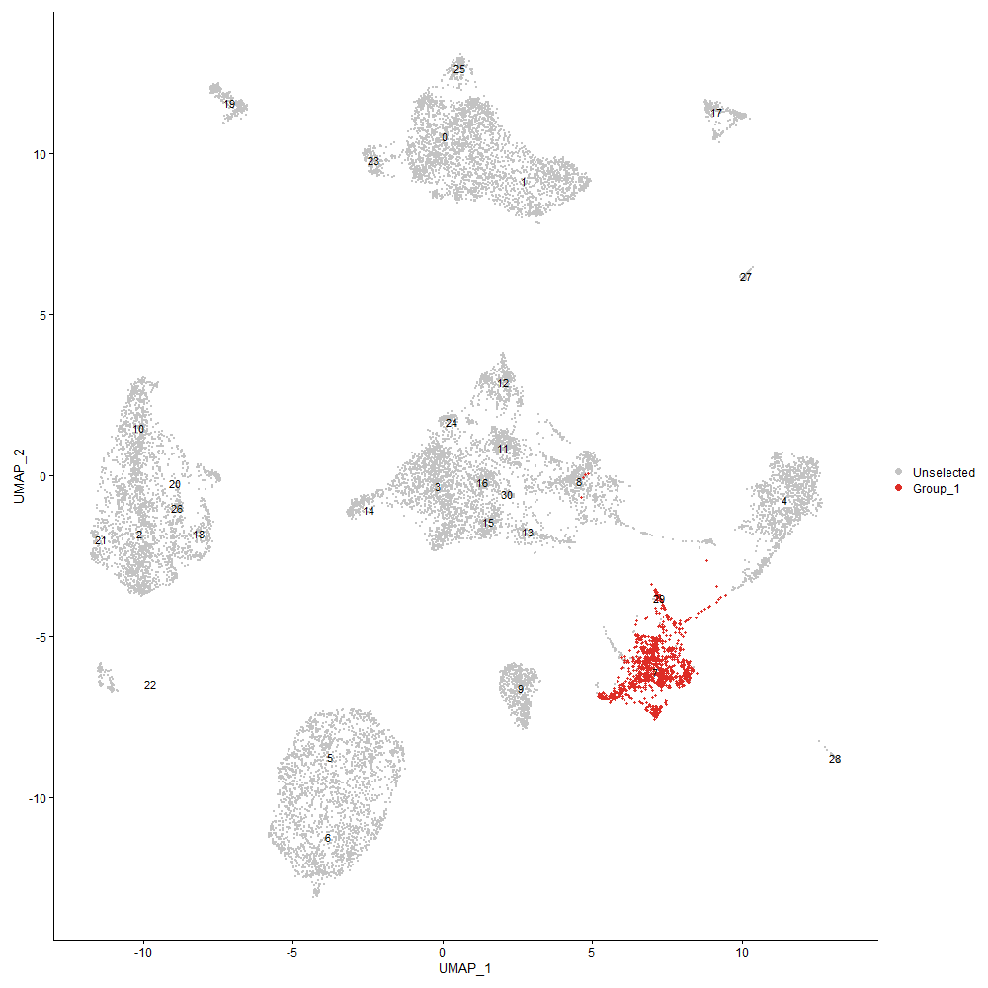
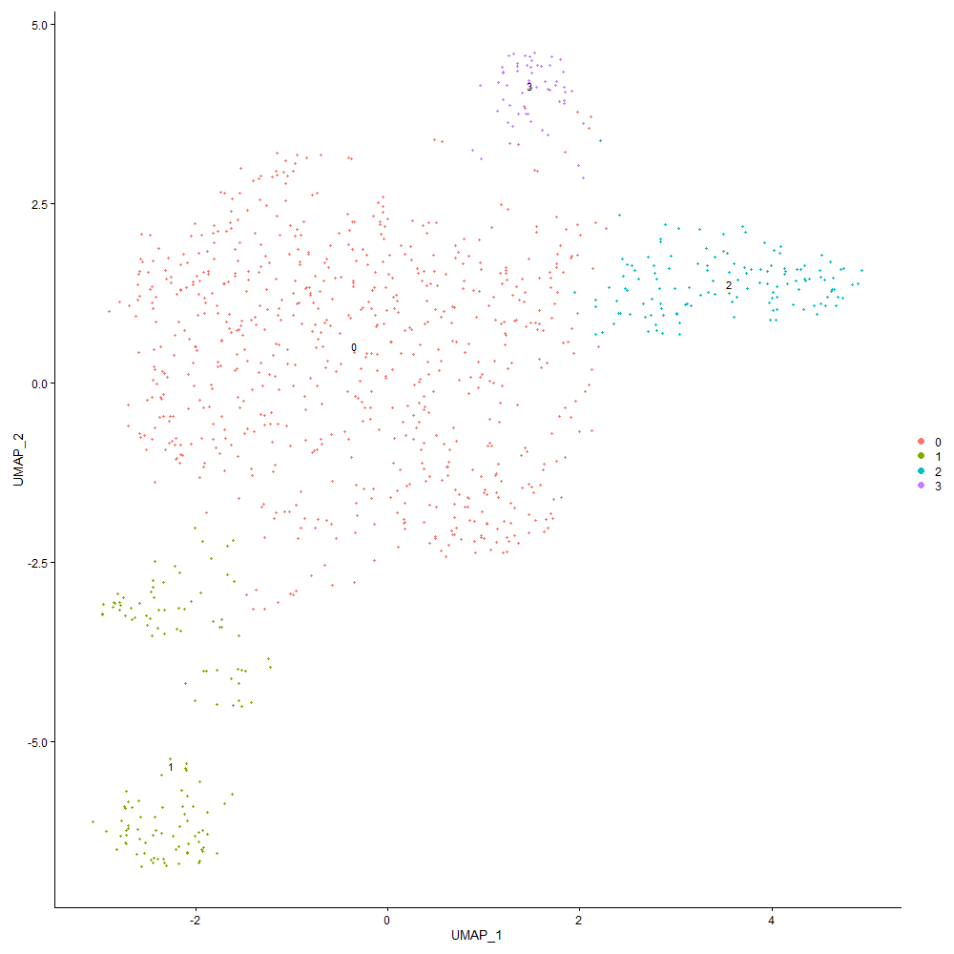
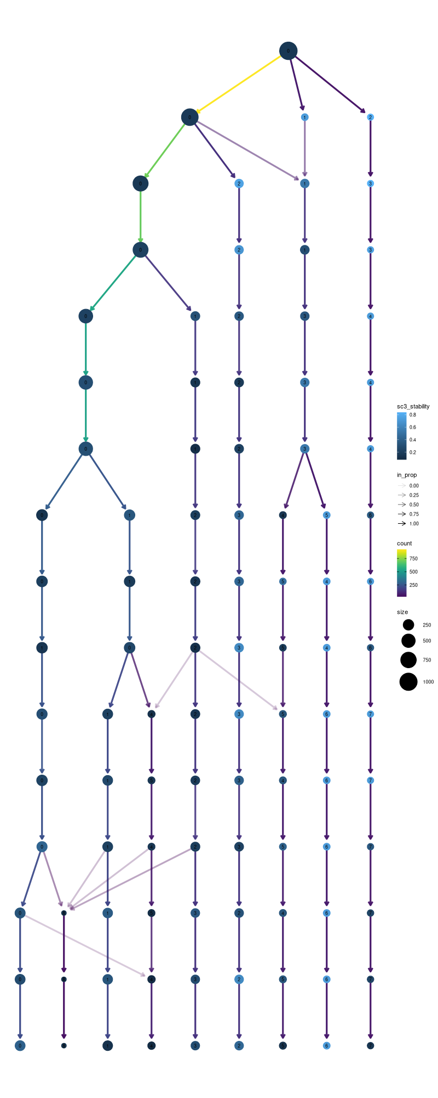

Cluster0
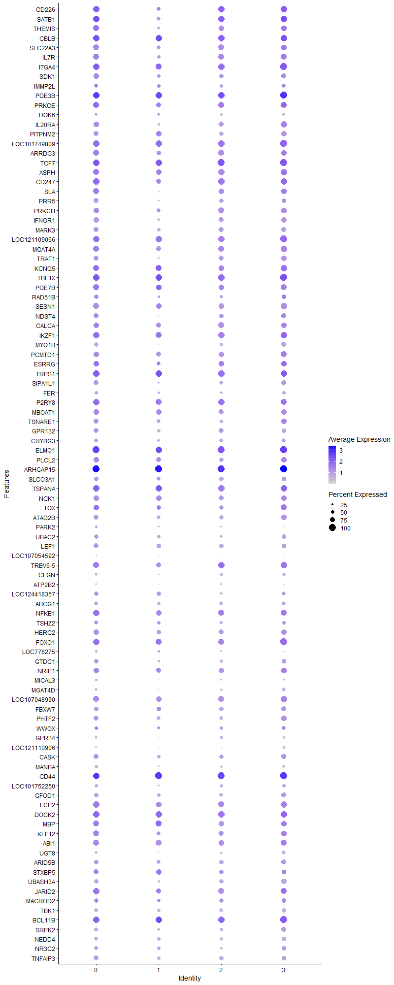
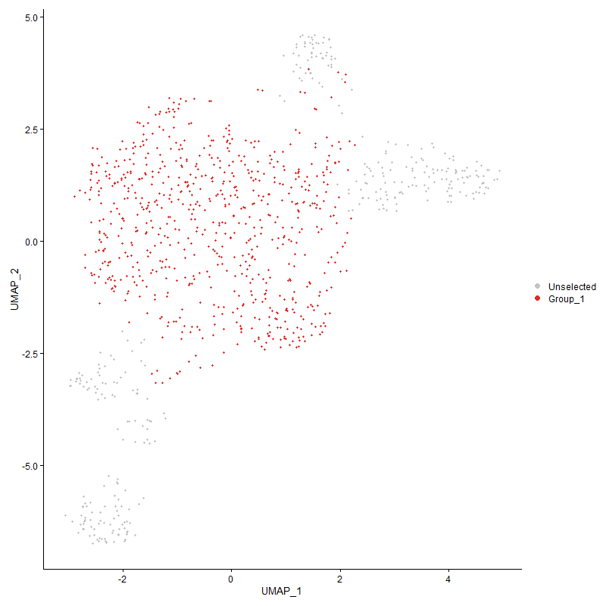
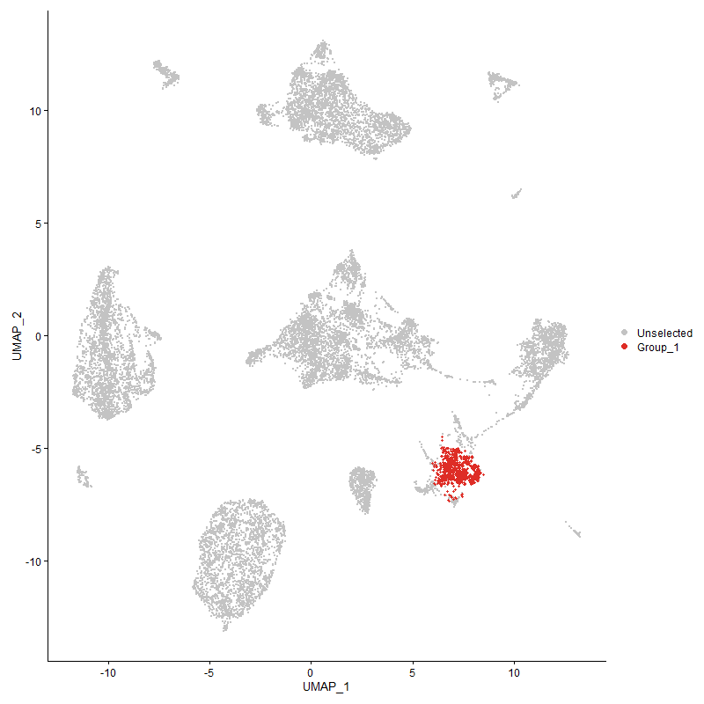
 | p_val | avg_log2FC | pct.1 | pct.2 | p_val_adj | cluster | gene | CD8a, CD7 men långt ned
CD226 | 0 | 2.5579557484 | 0.978 | 0.149 | 0 | 0 | CD226 |  | CD226 is a ~65 kDa glycoprotein expressed on the surface of natural killer cells, platelets, monocytes and a subset of T cells
SATB1 | 0 | 1.666165961 | 0.979 | 0.427 | 0 | 0 | SATB1
THEMIS | 3.3270787461E-295 | 1.4984329932 | 0.878 | 0.288 | 5.0807819532E-291 | 0 | THEMIS
CBLB | 2.0757131E-227 | 1.3995791696 | 0.979 | 0.663 | 3.1698214749E-223 | 0 | CBLB
SLC22A3 | 0 | 1.2376382149 | 0.859 | 0.243 | 0 | 0 | SLC22A3
IL7R | 5.9861100297E-241 | 1.1948286275 | 0.874 | 0.327 | 9.1413886263E-237 | 0 | IL7R
ITGA4 | 3.9366374344E-219 | 1.1658744055 | 0.994 | 0.785 | 6.0116390261E-215 | 0 | ITGA4
SDK1 | 2.5588293815E-202 | 1.1480891571 | 0.805 | 0.307 | 3.9075883485E-198 | 0 | SDK1
IMMP2L | 8.9964985646E-97 | 1.1447526004 | 0.597 | 0.268 | 1.3738552958E-92 | 0 | IMMP2L
PDE3B | 2.8577655753E-192 | 1.1115641927 | 0.997 | 0.793 | 4.36409381E-188 | 0 | PDE3B
PRKCE | 3.472860174E-152 | 1.0903137025 | 0.917 | 0.558 | 5.3034047717E-148 | 0 | PRKCE
DOK6 | 7.8073391914E-282 | 1.0873083259 | 0.457 | 0.072 | 1.1922587679E-277 | 0 | DOK6
IL20RA | 2.425693654E-198 | 1.056065757 | 0.84 | 0.343 | 3.7042767789E-194 | 0 | IL20RA
PITPNM2 | 9.9799427255E-218 | 1.0553824298 | 0.766 | 0.277 | 1.5240370536E-213 | 0 | PITPNM2
LOC101749809 | 1.2833631549E-166 | 1.0432898762 | 0.947 | 0.54 | 1.9598238739E-162 | 0 | LOC101749809
ARRDC3 | 4.7735855172E-150 | 1.0423082277 | 0.86 | 0.501 | 7.2897424433E-146 | 0 | ARRDC3
TCF7 | 5.3766344466E-176 | 1.0221962667 | 0.986 | 0.51 | 8.2106584634E-172 | 0 | TCF7
ASPH | 6.5665960919E-162 | 1.0221302186 | 0.915 | 0.493 | 1.0027848892E-157 | 0 | ASPH
CD247 | 1.6971618143E-151 | 1.0165817766 | 0.936 | 0.544 | 2.5917358066E-147 | 0 | CD247 | CD3z
SLA | 3.4062513667E-137 | 0.99371822772 | 0.847 | 0.473 | 5.2016864621E-133 | 0 | SLA
PRR5 | 3.3264356324E-223 | 0.98886746623 | 0.761 | 0.264 | 5.0797998543E-219 | 0 | PRR5
PRKCH | 7.9870593666E-285 | 0.97129760344 | 0.831 | 0.229 | 1.2197038359E-280 | 0 | PRKCH
IFNGR1 | 2.5321732855E-195 | 0.918119609 | 0.775 | 0.307 | 3.8668818242E-191 | 0 | IFNGR1
MARK3 | 7.8181803103E-152 | 0.9107054265 | 0.755 | 0.337 | 1.1939143152E-147 | 0 | MARK3
LOC121109066 | 1.0533829341E-145 | 0.90042114445 | 0.968 | 0.681 | 1.6086210786E-141 | 0 | LOC121109066
MGAT4A | 2.9609454877E-125 | 0.88633491692 | 0.902 | 0.564 | 4.5216598543E-121 | 0 | MGAT4A
TRAT1 | 8.3823339205E-174 | 0.88345510892 | 0.752 | 0.281 | 1.280066213E-169 | 0 | TRAT1
KCNQ5 | 2.6211575385E-87 | 0.87094455954 | 0.882 | 0.599 | 4.0027696771E-83 | 0 | KCNQ5
TBL1X | 2.7668145221E-126 | 0.86748492982 | 0.982 | 0.809 | 4.2252024567E-122 | 0 | TBL1X
PDE7B | 1.2438913711E-111 | 0.85209419015 | 0.852 | 0.431 | 1.8995465128E-107 | 0 | PDE7B
RAD51B | 9.3174471198E-62 | 0.85073420736 | 0.627 | 0.351 | 1.4228673497E-57 | 0 | RAD51B
SESN1 | 1.399067632E-143 | 0.84525704434 | 0.859 | 0.433 | 2.1365161809E-139 | 0 | SESN1
NDST4 | 1.5877773854E-144 | 0.84253579153 | 0.728 | 0.272 | 2.4246948452E-140 | 0 | NDST4
CALCA | 1.0847925729E-95 | 0.83019709095 | 0.831 | 0.525 | 1.6565867381E-91 | 0 | CALCA
IKZF1 | 7.2075919532E-113 | 0.82647339575 | 0.943 | 0.731 | 1.1006713672E-108 | 0 | IKZF1
MYO1B | 3.0283420939E-176 | 0.81565790971 | 0.634 | 0.206 | 4.6245812116E-172 | 0 | MYO1B
PCMTD1 | 1.2931366172E-108 | 0.7980168617 | 0.84 | 0.5 | 1.9747489282E-104 | 0 | PCMTD1
ESRRG | 3.6982507029E-69 | 0.78983810654 | 0.784 | 0.501 | 5.6475986484E-65 | 0 | ESRRG
TRPS1 | 2.0574572103E-84 | 0.77365073146 | 0.933 | 0.728 | 3.1419429059E-80 | 0 | TRPS1
SIPA1L1 | 1.3103797102E-111 | 0.77111211645 | 0.713 | 0.332 | 2.0010808555E-107 | 0 | SIPA1L1
FER | 1.8254316735E-106 | 0.76192149707 | 0.522 | 0.209 | 2.7876167086E-102 | 0 | FER
P2RY8 | 2.4439594246E-95 | 0.76047999138 | 0.934 | 0.709 | 3.7321704373E-91 | 0 | P2RY8
MBOAT1 | 3.0490832175E-76 | 0.75572363837 | 0.796 | 0.525 | 4.6562549815E-72 | 0 | MBOAT1
TSNARE1 | 1.0706292941E-90 | 0.75527374034 | 0.7 | 0.353 | 1.634957995E-86 | 0 | TSNARE1
GPR132 | 9.4614464633E-113 | 0.75141918904 | 0.718 | 0.348 | 1.4448574894E-108 | 0 | GPR132
CRYBG3 | 1.7399122394E-93 | 0.74853050994 | 0.616 | 0.293 | 2.6570199808E-89 | 0 | CRYBG3
ELMO1 | 5.3143964563E-118 | 0.74600325421 | 1 | 0.913 | 8.1156148284E-114 | 0 | ELMO1
PLCL2 | 7.8665310752E-75 | 0.74514221645 | 0.803 | 0.526 | 1.2012979605E-70 | 0 | PLCL2
ARHGAP15 | 1.0050040879E-139 | 0.74487181596 | 1 | 0.982 | 1.5347417426E-135 | 0 | ARHGAP15
SLCO3A1 | 9.4056155015E-101 | 0.74465431346 | 0.664 | 0.31 | 1.4363315432E-96 | 0 | SLCO3A1
TSPAN4 | 5.1744409584E-100 | 0.74230015979 | 0.971 | 0.777 | 7.9018887876E-96 | 0 | TSPAN4
NCK1 | 9.8638118181E-86 | 0.73692352932 | 0.784 | 0.479 | 1.5063027027E-81 | 0 | NCK1
TOX | 2.0543615074E-75 | 0.72573601275 | 0.836 | 0.51 | 3.137215458E-71 | 0 | TOX
ATAD2B | 1.7983496883E-121 | 0.71951868864 | 0.744 | 0.367 | 2.746259809E-117 | 0 | ATAD2B
PARK2 | 2.8851821381E-32 | 0.71885005357 | 0.331 | 0.175 | 4.405961643E-28 | 0 | PARK2
UBAC2 | 8.6443779309E-85 | 0.71390411882 | 0.657 | 0.342 | 1.3200829538E-80 | 0 | UBAC2
LEF1 | 1.5477717865E-128 | 0.71335525971 | 0.756 | 0.32 | 2.3636022952E-124 | 0 | LEF1
LOC107054592 | 5.7250967029E-226 | 0.70947951218 | 0.221 | 0.019 | 8.742795175E-222 | 0 | LOC107054592
TRBV6-5 | 1.2224483843E-83 | 0.70407239655 | 0.884 | 0.589 | 1.8668009276E-79 | 0 | TRBV6-5
CLGN | 2.2277415586E-289 | 0.70254195544 | 0.426 | 0.061 | 3.4019841342E-285 | 0 | CLGN
ATP2B2 | 0 | 0.70112258041 | 0.244 | 0.016 | 0 | 0 | ATP2B2
LOC124418357 | 8.2341506656E-63 | 0.6963284425 | 0.62 | 0.344 | 1.2574371481E-58 | 0 | LOC124418357
ABCG1 | 1.0297830909E-93 | 0.69499837385 | 0.602 | 0.273 | 1.5725817582E-89 | 0 | ABCG1
NFKB1 | 5.282793365E-73 | 0.68159586305 | 0.922 | 0.753 | 8.0673537477E-69 | 0 | NFKB1
TSHZ2 | 3.7080220136E-54 | 0.67576707239 | 0.552 | 0.287 | 5.662520417E-50 | 0 | TSHZ2
HERC2 | 3.5541561979E-96 | 0.66939455977 | 0.831 | 0.491 | 5.4275519298E-92 | 0 | HERC2
FOXO1 | 2.7294541166E-76 | 0.65716849151 | 0.934 | 0.674 | 4.1681493815E-72 | 0 | FOXO1
LOC776275 | 8.4562108766E-94 | 0.63775093822 | 0.349 | 0.102 | 1.291347963E-89 | 0 | LOC776275
GTDC1 | 8.2429605196E-75 | 0.63737556562 | 0.676 | 0.356 | 1.258782501E-70 | 0 | GTDC1
NRIP1 | 1.3995162752E-80 | 0.63537835029 | 0.832 | 0.499 | 2.1372013039E-76 | 0 | NRIP1
MICAL3 | 5.7339254053E-118 | 0.63427313709 | 0.342 | 0.085 | 8.7562774864E-114 | 0 | MICAL3
MGAT4D | 0 | 0.63330064572 | 0.417 | 0.05 | 0 | 0 | MGAT4D
LOC107048990 | 2.2615019587E-75 | 0.62932555005 | 0.866 | 0.604 | 3.4535396411E-71 | 0 | LOC107048990
FBXW7 | 3.1815780422E-64 | 0.61883413187 | 0.646 | 0.352 | 4.8585878282E-60 | 0 | FBXW7
PHTF2 | 4.7052133536E-84 | 0.6124686055 | 0.769 | 0.448 | 7.1853313123E-80 | 0 | PHTF2
WWOX | 3.9512089645E-17 | 0.60770294323 | 0.487 | 0.368 | 6.0338912098E-13 | 0 | WWOX
GPR34 | 0 | 0.60557951239 | 0.392 | 0.023 | 0 | 0 | GPR34
LOC121110906 | 7.6185352938E-137 | 0.60391118204 | 0.265 | 0.047 | 1.1634265247E-132 | 0 | LOC121110906
CASK | 1.0297165146E-56 | 0.6035783861 | 0.703 | 0.447 | 1.5724800894E-52 | 0 | CASK
MANBA | 1.2271622611E-111 | 0.59678388504 | 0.483 | 0.162 | 1.8739994889E-107 | 0 | MANBA
CD44 | 8.4026149811E-91 | 0.5935034004 | 0.997 | 0.971 | 1.2831633338E-86 | 0 | CD44
LOC101752250 | 2.2642052724E-62 | 0.59325032565 | 0.486 | 0.221 | 3.4576678715E-58 | 0 | LOC101752250
GFOD1 | 1.610509345E-72 | 0.58189168282 | 0.665 | 0.35 | 2.4594088207E-68 | 0 | GFOD1
LCP2 | 1.4543298296E-72 | 0.57889007935 | 0.934 | 0.651 | 2.2209070828E-68 | 0 | LCP2
DOCK2 | 5.6943053482E-77 | 0.57597945897 | 0.973 | 0.877 | 8.6957736973E-73 | 0 | DOCK2
MBP | 1.2132619953E-50 | 0.5730656106 | 0.857 | 0.662 | 1.8527723931E-46 | 0 | MBP
KLF12 | 9.3662789051E-68 | 0.57264246003 | 0.854 | 0.543 | 1.4303244516E-63 | 0 | KLF12
ABI1 | 2.6116393653E-67 | 0.57024060239 | 0.891 | 0.675 | 3.9882344747E-63 | 0 | ABI1
UGT8 | 6.6513881905E-138 | 0.56784225618 | 0.42 | 0.11 | 1.0157334906E-133 | 0 | UGT8
ARID5B | 3.2819069821E-72 | 0.5669687129 | 0.689 | 0.363 | 5.0118001524E-68 | 0 | ARID5B
STXBP5 | 1.1930863475E-37 | 0.56477021124 | 0.754 | 0.576 | 1.8219621613E-33 | 0 | STXBP5
UBASH3A | 3.0886459591E-92 | 0.56304022855 | 0.669 | 0.312 | 4.7166712442E-88 | 0 | UBASH3A
JARID2 | 1.9284392102E-71 | 0.56089512787 | 0.958 | 0.787 | 2.9449195179E-67 | 0 | JARID2
MACROD2 | 5.7676593243E-38 | 0.55815915415 | 0.62 | 0.398 | 8.8077925542E-34 | 0 | MACROD2
TBK1 | 3.0848715508E-83 | 0.55511072144 | 0.585 | 0.273 | 4.7109073452E-79 | 0 | TBK1
BCL11B | 1.0999551847E-65 | 0.55427890148 | 0.976 | 0.613 | 1.6797415626E-61 | 0 | BCL11B
SRPK2 | 4.5428953846E-63 | 0.54212422283 | 0.616 | 0.334 | 6.9374555419E-59 | 0 | SRPK2
NEDD4 | 1.0622408683E-70 | 0.54025480631 | 0.59 | 0.291 | 1.62214803E-66 | 0 | NEDD4
NR3C2 | 2.7147047804E-31 | 0.53313948914 | 0.559 | 0.358 | 4.1456256701E-27 | 0 | NR3C2
TNFAIP3 | 7.6863426416E-63 | 0.53155394188 | 0.714 | 0.429 | 1.1737813848E-58 | 0 | TNFAIP3
PRKACB | 6.8446457737E-56 | 0.53042688949 | 0.737 | 0.469 | 1.0452458561E-51 | 0 | PRKACB
CXCR4 | 8.3917034828E-98 | 0.52615364397 | 0.522 | 0.202 | 1.2814970389E-93 | 0 | CXCR4
KIF16B | 7.8632274042E-63 | 0.52363048462 | 0.577 | 0.296 | 1.2007934569E-58 | 0 | KIF16B
CDK5RAP2 | 3.13673926E-71 | 0.51728064248 | 0.605 | 0.303 | 4.7901145239E-67 | 0 | CDK5RAP2
FNBP1 | 3.1518489982E-57 | 0.51485666646 | 0.937 | 0.776 | 4.8131886051E-53 | 0 | FNBP1
ROCK1 | 5.7074544556E-53 | 0.51192975777 | 0.905 | 0.786 | 8.7158536991E-49 | 0 | ROCK1
CD8A | 6.4464216966E-227 | 0.51164374124 | 0.38 | 0.06 | 9.8443305728E-223 | 0 | CD8A
RASA3 | 2.0762713995E-56 | 0.51054903659 | 0.972 | 0.872 | 3.1706740542E-52 | 0 | RASA3
FBXL2 | 2.5558251129E-89 | 0.50917421117 | 0.423 | 0.147 | 3.9030005299E-85 | 0 | FBXL2
PFKP | 1.0169087602E-53 | 0.5084369635 | 0.605 | 0.347 | 1.5529213677E-49 | 0 | PFKP
LDLRAD4 | 9.5303825421E-43 | 0.5082832576 | 0.669 | 0.425 | 1.455384718E-38 | 0 | LDLRAD4
TSPAN18 | 1.8630384159E-119 | 0.49960848956 | 0.359 | 0.091 | 2.8450459649E-115 | 0 | TSPAN18
THSD7A | 5.7062620501E-69 | 0.49829465998 | 0.448 | 0.174 | 8.7140327767E-65 | 0 | THSD7A
MTMR10 | 1.3557927401E-77 | 0.49771595267 | 0.531 | 0.238 | 2.0704310935E-73 | 0 | MTMR10
PPM1H | 4.9876217719E-54 | 0.49721701399 | 0.52 | 0.257 | 7.6165972078E-50 | 0 | PPM1H
PPP1R12A | 8.4456597995E-56 | 0.49680911539 | 0.94 | 0.812 | 1.289736708E-51 | 0 | PPP1R12A
CDKAL1 | 4.3159675609E-36 | 0.49608805961 | 0.794 | 0.624 | 6.5909140622E-32 | 0 | CDKAL1
ZMYND11 | 5.1569803853E-51 | 0.49430989716 | 0.782 | 0.54 | 7.8752247465E-47 | 0 | ZMYND11
NCOA3 | 1.7970656326E-51 | 0.49392977422 | 0.718 | 0.463 | 2.7442989275E-47 | 0 | NCOA3
ITK | 1.3778479854E-71 | 0.49365673937 | 0.573 | 0.27 | 2.1041116586E-67 | 0 | ITK
GRM8 | 2.3163667968E-30 | 0.48671445211 | 0.207 | 0.084 | 3.5373237354E-26 | 0 | GRM8
SUPT3H | 1.1759091214E-29 | 0.48184896917 | 0.51 | 0.323 | 1.7957308192E-25 | 0 | SUPT3H
JAKMIP1 | 1.4433206415E-84 | 0.47893053321 | 0.381 | 0.127 | 2.2040949517E-80 | 0 | JAKMIP1
GLIPR1L | 6.6585395069E-77 | 0.47807320277 | 0.417 | 0.159 | 1.0168255681E-72 | 0 | GLIPR1L
EML1 | 3.1936210026E-202 | 0.47671714982 | 0.242 | 0.026 | 4.8769786331E-198 | 0 | EML1
GLCCI1 | 1.2215685248E-44 | 0.47652149624 | 0.674 | 0.422 | 1.8654572942E-40 | 0 | GLCCI1
SP3 | 6.8883311477E-40 | 0.47648513624 | 0.665 | 0.456 | 1.0519170496E-35 | 0 | SP3
TNRC6C | 2.2393432596E-57 | 0.47560328857 | 0.934 | 0.751 | 3.4197010918E-53 | 0 | TNRC6C
NRP1 | 9.5427337514E-43 | 0.47049643634 | 0.326 | 0.141 | 1.4572708712E-38 | 0 | NRP1
TRIB2 | 5.0396489514E-128 | 0.46779558471 | 0.305 | 0.065 | 7.6960479137E-124 | 0 | TRIB2
FBXO34 | 7.9997854046E-78 | 0.46531001391 | 0.479 | 0.198 | 1.2216472291E-73 | 0 | FBXO34
GNB4 | 9.0380525522E-42 | 0.4641115454 | 0.72 | 0.495 | 1.3802010052E-37 | 0 | GNB4
TMEM131 | 2.1388082685E-41 | 0.45636607989 | 0.745 | 0.52 | 3.2661741068E-37 | 0 | TMEM131
CELF2 | 3.4144213743E-50 | 0.45615493263 | 0.969 | 0.918 | 5.2141628808E-46 | 0 | CELF2
TLE4 | 5.5256000961E-39 | 0.4542859957 | 0.619 | 0.395 | 8.4381439068E-35 | 0 | TLE4
SKAP1 | 1.0114131391E-44 | 0.45131809146 | 0.518 | 0.275 | 1.5445290048E-40 | 0 | SKAP1
LOC107053124 | 6.5181624633E-90 | 0.45024321403 | 0.437 | 0.156 | 9.9538858977E-86 | 0 | LOC107053124
INPP4B | 9.0818008316E-44 | 0.44857594807 | 0.634 | 0.362 | 1.386881805E-39 | 0 | INPP4B
ARHGAP6 | 8.9378364872E-23 | 0.44773015932 | 0.462 | 0.306 | 1.36489701E-18 | 0 | ARHGAP6
ATP8A1 | 1.6090959654E-47 | 0.44771391626 | 0.385 | 0.178 | 2.4572504488E-43 | 0 | ATP8A1
ZNF521 | 2.6338891789E-47 | 0.44676174902 | 0.636 | 0.346 | 4.0222121652E-43 | 0 | ZNF521
ARHGEF3 | 1.2552022438E-51 | 0.44607957102 | 0.905 | 0.64 | 1.9168193465E-47 | 0 | ARHGEF3
NRK | 2.0478725225E-49 | 0.44200529832 | 0.968 | 0.847 | 3.1273061292E-45 | 0 | NRK
SETBP1 | 6.3522377983E-35 | 0.44041225498 | 0.587 | 0.355 | 9.7005023418E-31 | 0 | SETBP1
HLCS | 7.9801154212E-31 | 0.43705751266 | 0.577 | 0.367 | 1.218643426E-26 | 0 | HLCS
KDM4B | 1.3131434228E-40 | 0.43625160863 | 0.716 | 0.509 | 2.0053013209E-36 | 0 | KDM4B
MPHOSPH9 | 1.5164233108E-127 | 0.43178230226 | 0.371 | 0.093 | 2.315730038E-123 | 0 | MPHOSPH9
KLF13 | 6.7841722167E-34 | 0.43143561629 | 0.758 | 0.579 | 1.0360109392E-29 | 0 | KLF13
RAB2A | 5.0215413355E-39 | 0.42957254585 | 0.746 | 0.535 | 7.6683957734E-35 | 0 | RAB2A
DAPK2 | 3.5538938429E-102 | 0.42906821794 | 0.395 | 0.119 | 5.4271512875E-98 | 0 | DAPK2
BRSK1 | 4.8269833417E-47 | 0.4283003397 | 0.866 | 0.554 | 7.3712862612E-43 | 0 | BRSK1
GAK | 8.2435313601E-43 | 0.4268719312 | 0.606 | 0.37 | 1.258869674E-38 | 0 | GAK
XYLT1 | 4.9749755775E-31 | 0.42673031463 | 0.615 | 0.414 | 7.5972852045E-27 | 0 | XYLT1
PHF21A | 1.9423324522E-27 | 0.42612673294 | 0.644 | 0.471 | 2.9661358877E-23 | 0 | PHF21A
OTUD7A | 6.4483080441E-54 | 0.42467757795 | 0.398 | 0.173 | 9.8472112141E-50 | 0 | OTUD7A
FYB1 | 2.4527482002E-42 | 0.42241715126 | 0.591 | 0.344 | 3.7455917765E-38 | 0 | FYB1
UTRN | 1.6593505121E-48 | 0.42235328814 | 0.982 | 0.917 | 2.533994167E-44 | 0 | UTRN
CEP85L | 5.7494989975E-40 | 0.42135810349 | 0.887 | 0.679 | 8.7800599191E-36 | 0 | CEP85L
CD38 | 1.7569081381E-88 | 0.41928081422 | 0.346 | 0.106 | 2.6829744177E-84 | 0 | CD38 |  | CD4+, CD8+, B lymphocytes and natural killer cells.
ITGA1 | 7.7327060447E-52 | 0.41664127016 | 0.513 | 0.261 | 1.1808615401E-47 | 0 | ITGA1
ADD1 | 2.3039755087E-36 | 0.41548804712 | 0.569 | 0.357 | 3.5184009994E-32 | 0 | ADD1
DLG1 | 1.5664001101E-40 | 0.41467601559 | 0.405 | 0.204 | 2.3920496081E-36 | 0 | DLG1
LOC121113415 | 5.7820328382E-30 | 0.41356831178 | 0.424 | 0.242 | 8.8297423472E-26 | 0 | LOC121113415
LOC769232 | 1.8742780204E-36 | 0.41316269038 | 0.954 | 0.759 | 2.8622099649E-32 | 0 | LOC769232
DARS | 2.3639679249E-52 | 0.4119421296 | 0.517 | 0.267 | 3.6100154181E-48 | 0 | DARS
LOC112530378 | 2.5395921369E-54 | 0.41175724346 | 0.235 | 0.076 | 3.8782111522E-50 | 0 | LOC112530378
TET1 | 1.1146487974E-31 | 0.40923226679 | 0.62 | 0.434 | 1.7021801785E-27 | 0 | TET1
ACSL3 | 7.5578098096E-61 | 0.40617107733 | 0.501 | 0.235 | 1.154153136E-56 | 0 | ACSL3
FAM65B | 7.292320325E-40 | 0.40452455482 | 0.811 | 0.576 | 1.1136102368E-35 | 0 | FAM65B
LAMC1 | 1.7625244873E-81 | 0.40327639782 | 0.403 | 0.143 | 2.6915511445E-77 | 0 | LAMC1
PIK3R1 | 1.9911931911E-38 | 0.4026235892 | 0.711 | 0.475 | 3.0407511221E-34 | 0 | PIK3R1
CLINT1 | 5.6950985807E-47 | 0.39934979073 | 0.525 | 0.286 | 8.6969850427E-43 | 0 | CLINT1
PHACTR1 | 0 | 0.39786300459 | 0.255 | 0.013 | 0 | 0 | PHACTR1
TNRC6B | 4.7278815861E-33 | 0.39664937232 | 0.832 | 0.7 | 7.2199479702E-29 | 0 | TNRC6B
LOC101748814 | 1.9050485619E-151 | 0.3954598253 | 0.269 | 0.044 | 2.9091996588E-147 | 0 | LOC101748814
LPIN2 | 8.4523077464E-39 | 0.39312957114 | 0.531 | 0.313 | 1.290751916E-34 | 0 | LPIN2
HPCAL1 | 7.4171205579E-46 | 0.39295637407 | 0.524 | 0.277 | 1.1326684804E-41 | 0 | HPCAL1
HS6ST2 | 3.0454599297E-31 | 0.39273583642 | 0.534 | 0.331 | 4.6507218586E-27 | 0 | HS6ST2
DCAF6 | 1.0698656963E-27 | 0.39228768302 | 0.394 | 0.231 | 1.6337919048E-23 | 0 | DCAF6
MAP3K7 | 2.1961660639E-34 | 0.39187604748 | 0.605 | 0.397 | 3.3537651962E-30 | 0 | MAP3K7
PTPRA | 2.3882342662E-42 | 0.39184811491 | 0.623 | 0.372 | 3.6470725479E-38 | 0 | PTPRA
GPHN | 3.2105753716E-28 | 0.39160946439 | 0.427 | 0.245 | 4.90286965E-24 | 0 | GPHN
KDM6A | 1.2982780087E-35 | 0.38940668122 | 0.913 | 0.798 | 1.982600347E-31 | 0 | KDM6A
DAPK1 | 4.0335953219E-26 | 0.38352404844 | 0.821 | 0.693 | 6.159703416E-22 | 0 | DAPK1
RBMS1 | 6.7549951321E-20 | 0.38259594735 | 0.538 | 0.386 | 1.0315553066E-15 | 0 | RBMS1
PAN3 | 7.7749704653E-26 | 0.3822219991 | 0.723 | 0.568 | 1.1873157398E-21 | 0 | PAN3
INPP4A | 1.2792387116E-40 | 0.37772375169 | 0.891 | 0.716 | 1.9535254364E-36 | 0 | INPP4A
LOC101749104 | 5.9547548553E-179 | 0.3774228342 | 0.202 | 0.021 | 9.0935061395E-175 | 0 | LOC101749104
GNAL | 4.0557403026E-25 | 0.37630890223 | 0.41 | 0.249 | 6.1935210162E-21 | 0 | GNAL
VPS13B | 1.6316692109E-19 | 0.37617835213 | 0.739 | 0.618 | 2.491722052E-15 | 0 | VPS13B
GRAP2 | 6.3890498996E-44 | 0.37539132889 | 0.606 | 0.345 | 9.7567181017E-40 | 0 | GRAP2
CMSS1 | 3.5462674602E-20 | 0.37468486809 | 0.378 | 0.236 | 5.4155050385E-16 | 0 | CMSS1
STK10 | 1.5625601243E-27 | 0.37334213524 | 0.668 | 0.482 | 2.3861855658E-23 | 0 | STK10
LRBA | 3.666467845E-31 | 0.37325544011 | 0.936 | 0.787 | 5.5990630461E-27 | 0 | LRBA
ZBTB37 | 8.2672622569E-80 | 0.37016845119 | 0.339 | 0.108 | 1.2624936192E-75 | 0 | ZBTB37
CUX1 | 1.9159449136E-32 | 0.36933473342 | 0.811 | 0.612 | 2.9258394776E-28 | 0 | CUX1
TPK1 | 1.0133886925E-27 | 0.36768474077 | 0.452 | 0.269 | 1.5475458723E-23 | 0 | TPK1
HS6ST1 | 3.2389972105E-33 | 0.36721568698 | 0.518 | 0.312 | 4.9462726401E-29 | 0 | HS6ST1
ETS2 | 2.4788997537E-52 | 0.36624828354 | 0.542 | 0.278 | 3.7855278139E-48 | 0 | ETS2
CD7 | 4.3186876307E-174 | 0.36557784918 | 0.286 | 0.043 | 6.5950678809E-170 | 0 | CD7
LOC107054152 | 1.2203047043E-79 | 0.36430672431 | 0.363 | 0.12 | 1.863527314E-75 | 0 | LOC107054152
TTC38L | 1.7370316531E-80 | 0.36231429054 | 0.389 | 0.135 | 2.6526210374E-76 | 0 | TTC38L
USP34 | 3.1127326799E-21 | 0.36133222594 | 0.654 | 0.517 | 4.7534540754E-17 | 0 | USP34
SMAD7 | 1.969422552E-21 | 0.36127073999 | 0.464 | 0.295 | 3.0075051791E-17 | 0 | SMAD7
RUNX3 | 2.2391609555E-45 | 0.36114476751 | 0.59 | 0.33 | 3.4194226951E-41 | 0 | RUNX3
IRF1 | 5.3538843764E-42 | 0.36031453241 | 0.472 | 0.254 | 8.1759168311E-38 | 0 | IRF1
CTDP1 | 1.3510786642E-21 | 0.35875983157 | 0.583 | 0.428 | 2.0632322281E-17 | 0 | CTDP1
DPYD | 6.1325793859E-20 | 0.35874625957 | 0.556 | 0.395 | 9.3650619802E-16 | 0 | DPYD
DOCK10 | 1.1421352748E-26 | 0.3559214412 | 0.756 | 0.58 | 1.7441547781E-22 | 0 | DOCK10
SNTB1 | 6.0176752498E-39 | 0.35585213464 | 0.255 | 0.102 | 9.189591874E-35 | 0 | SNTB1
TNS3 | 1.6605622921E-37 | 0.35449768597 | 0.478 | 0.266 | 2.5358446762E-33 | 0 | TNS3
LOC124417089 | 1.7137098444E-57 | 0.35410616026 | 0.294 | 0.104 | 2.6170063033E-53 | 0 | LOC124417089
GSAP | 4.7953935112E-79 | 0.35068971412 | 0.357 | 0.117 | 7.323045431E-75 | 0 | GSAP
SAP30L | 2.7034140634E-51 | 0.35051156918 | 0.37 | 0.16 | 4.1283836161E-47 | 0 | SAP30L
CDIN1 | 2.8517292656E-23 | 0.35005727614 | 0.244 | 0.122 | 4.3548757615E-19 | 0 | CDIN1
CHD2 | 4.8354959857E-29 | 0.34775539351 | 0.706 | 0.505 | 7.3842859197E-25 | 0 | CHD2
ERBIN | 4.9990704901E-28 | 0.34698021964 | 0.805 | 0.62 | 7.6340805455E-24 | 0 | ERBIN
SNX29 | 1.9425157204E-18 | 0.34359063173 | 0.43 | 0.291 | 2.9664157566E-14 | 0 | SNX29
MLLT10 | 5.5973547159E-19 | 0.34187419109 | 0.658 | 0.519 | 8.5477203866E-15 | 0 | MLLT10
RRAS | 5.2628426247E-32 | 0.34086346443 | 0.727 | 0.492 | 8.0368869722E-28 | 0 | RRAS
LOC121106461 | 1.1692302641E-30 | 0.33740089068 | 0.857 | 0.612 | 1.7855315363E-26 | 0 | LOC121106461
CDK17 | 2.0688186377E-18 | 0.33517687615 | 0.654 | 0.52 | 3.1592929416E-14 | 0 | CDK17
NAA25 | 1.6463798759E-65 | 0.33430799763 | 0.312 | 0.106 | 2.5141867085E-61 | 0 | NAA25
SCAF8 | 5.1458165292E-18 | 0.33221426732 | 0.583 | 0.435 | 7.8581764217E-14 | 0 | SCAF8
IRF2 | 8.1983141068E-23 | 0.33126080771 | 0.601 | 0.444 | 1.2519645473E-18 | 0 | IRF2
OSBPL1A | 5.7862283603E-20 | 0.32596653601 | 0.378 | 0.24 | 8.836149329E-16 | 0 | OSBPL1A
DPF3 | 5.1564499868E-33 | 0.32449813764 | 0.345 | 0.17 | 7.8744147748E-29 | 0 | DPF3
ARID1B | 1.7773818013E-26 | 0.32449473137 | 0.973 | 0.938 | 2.7142397488E-22 | 0 | ARID1B
RASA1 | 3.2980120848E-36 | 0.32436551814 | 0.401 | 0.207 | 5.0363942547E-32 | 0 | RASA1
VTI1A | 8.9370547223E-09 | 0.32428279689 | 0.532 | 0.451 | 0.00013647776266 | 0 | VTI1A
DPH6 | 4.3960213267E-12 | 0.32100461394 | 0.284 | 0.186 | 6.713164168E-08 | 0 | DPH6
NCOA2 | 1.3716112622E-22 | 0.32069001161 | 0.789 | 0.622 | 2.0945875586E-18 | 0 | NCOA2
GLB1 | 2.2212534581E-42 | 0.31861642659 | 0.318 | 0.137 | 3.3920761558E-38 | 0 | GLB1
MAPRE2 | 2.1934716106E-29 | 0.31774701667 | 0.616 | 0.406 | 3.3496504965E-25 | 0 | MAPRE2
SMCHD1 | 1.2308993986E-25 | 0.31727970711 | 0.72 | 0.533 | 1.8797064717E-21 | 0 | SMCHD1
TCF12 | 2.2822670901E-18 | 0.31681999388 | 0.633 | 0.483 | 3.4852500733E-14 | 0 | TCF12
PPP1CC | 1.104753939E-41 | 0.31532495151 | 0.448 | 0.23 | 1.6870697402E-37 | 0 | PPP1CC
SPIN1L | 2.19613351E-21 | 0.31441538959 | 0.56 | 0.407 | 3.3537154832E-17 | 0 | SPIN1L
LOC107054112 | 2.1507634465E-168 | 0.31353899617 | 0.106 | 0.005 | 3.2844308592E-164 | 0 | LOC107054112
FUBP1 | 8.3358914702E-33 | 0.31340222656 | 0.469 | 0.27 | 1.2729739864E-28 | 0 | FUBP1
NEDD4L | 2.9355899652E-30 | 0.31052209122 | 0.317 | 0.158 | 4.4829394359E-26 | 0 | NEDD4L
PCCA | 1.487136716E-19 | 0.30994365749 | 0.304 | 0.176 | 2.271006479E-15 | 0 | PCCA
LOC121110204 | 1.5349202991E-38 | 0.30936919059 | 0.389 | 0.197 | 2.3439767887E-34 | 0 | LOC121110204
PPM1A | 3.7493130838E-38 | 0.30929653631 | 0.489 | 0.269 | 5.7255760102E-34 | 0 | PPM1A
IL16 | 9.740024358E-37 | 0.30909220769 | 0.457 | 0.247 | 1.4873991197E-32 | 0 | IL16
GNAI1 | 2.3765077644E-36 | 0.30805393569 | 0.343 | 0.164 | 3.6291650071E-32 | 0 | GNAI1
SGMS1 | 3.3797961182E-20 | 0.30792236584 | 0.433 | 0.29 | 5.1612866521E-16 | 0 | SGMS1
EXOC2 | 4.6751027502E-18 | 0.30733600766 | 0.613 | 0.47 | 7.1393494098E-14 | 0 | EXOC2
ITSN2 | 7.0429369296E-38 | 0.30730235492 | 0.464 | 0.254 | 1.0755268985E-33 | 0 | ITSN2
RUNX1 | 7.6055638579E-25 | 0.30649471978 | 0.99 | 0.919 | 1.1614456567E-20 | 0 | RUNX1
LRPPRC | 6.0170746624E-22 | 0.3064616302 | 0.464 | 0.306 | 9.1886747169E-18 | 0 | LRPPRC
TMEM106B | 3.7888854284E-44 | 0.30252265444 | 0.419 | 0.199 | 5.7860069376E-40 | 0 | TMEM106B
PSD3 | 7.9593829779E-47 | 0.30223295768 | 0.28 | 0.107 | 1.2154773746E-42 | 0 | PSD3
ASAP1 | 4.0780067139E-25 | 0.30176976938 | 0.608 | 0.423 | 6.2275240527E-21 | 0 | ASAP1
AIG1 | 1.3173034906E-20 | 0.30117294917 | 0.27 | 0.146 | 2.0116541605E-16 | 0 | AIG1
ZNF407 | 1.1944530387E-06 | 0.30088055248 | 0.597 | 0.548 | 0.018240492353 | 0 | ZNF407
STK17B | 3.4730470079E-26 | 0.30028836001 | 0.637 | 0.441 | 5.3036900857E-22 | 0 | STK17B
HERC4 | 2.9227925392E-26 | 0.29991335623 | 0.483 | 0.305 | 4.4633964866E-22 | 0 | HERC4
NFATC3 | 3.0095444337E-17 | 0.29838213693 | 0.776 | 0.682 | 4.5958753047E-13 | 0 | NFATC3
SLC24A3 | 4.3285994339E-26 | 0.29828579538 | 0.543 | 0.352 | 6.6102041956E-22 | 0 | SLC24A3
NAP1L1 | 5.8239982501E-24 | 0.29696386988 | 0.49 | 0.318 | 8.8938277277E-20 | 0 | NAP1L1
AKAP9 | 1.3478389373E-15 | 0.29693752349 | 0.601 | 0.465 | 2.0582848412E-11 | 0 | AKAP9
MTA3 | 1.2474175101E-25 | 0.29635429559 | 0.225 | 0.104 | 1.9049312797E-21 | 0 | MTA3
AEBP2 | 3.17368081E-26 | 0.29589964563 | 0.483 | 0.3 | 4.846527965E-22 | 0 | AEBP2
FBXL17 | 3.4778585353E-08 | 0.29560408914 | 0.427 | 0.35 | 0.00053110377693 | 0 | FBXL17
FARS2 | 1.7579664879E-13 | 0.29400958337 | 0.388 | 0.27 | 2.6845906237E-09 | 0 | FARS2
LOC107053144 | 2.639154925E-12 | 0.29367789888 | 0.345 | 0.239 | 4.0302534859E-08 | 0 | LOC107053144
LOC107054097 | 5.6764757077E-43 | 0.29280872826 | 0.338 | 0.148 | 8.6685460532E-39 | 0 | LOC107054097
LOC121113203 | 3.7640378044E-59 | 0.2897044028 | 0.28 | 0.092 | 5.7480621312E-55 | 0 | LOC121113203
SMYD3 | 3.5906178584E-05 | 0.28921802947 | 0.175 | 0.126 | 0.54832325315 | 0 | SMYD3
COMMD10 | 1.0450194461E-19 | 0.28868033845 | 0.279 | 0.154 | 1.5958491961E-15 | 0 | COMMD10
SLC4A11 | 7.2520816228E-43 | 0.28855253274 | 0.494 | 0.249 | 1.1074653846E-38 | 0 | SLC4A11
ANKRD10 | 1.8796773286E-20 | 0.28797205655 | 0.727 | 0.552 | 2.8704552485E-16 | 0 | ANKRD10
PHF14 | 5.9442688647E-15 | 0.28727168296 | 0.324 | 0.208 | 9.0774929832E-11 | 0 | PHF14
PARP8 | 9.8999596755E-19 | 0.28707870186 | 0.417 | 0.273 | 1.511822842E-14 | 0 | PARP8
LOC124418341 | 6.5579264076E-34 | 0.28591731493 | 0.367 | 0.184 | 1.0014609417E-29 | 0 | LOC124418341
ALS2 | 2.8787881149E-53 | 0.28583533412 | 0.294 | 0.107 | 4.3961973303E-49 | 0 | ALS2
HEXB | 1.0641123098E-43 | 0.28571271042 | 0.336 | 0.145 | 1.6250059082E-39 | 0 | HEXB
RAP1GDS1 | 6.7100003324E-16 | 0.28547570188 | 0.604 | 0.467 | 1.0246841508E-11 | 0 | RAP1GDS1
HPS3 | 7.1990747015E-23 | 0.28517534765 | 0.403 | 0.243 | 1.0993706977E-18 | 0 | HPS3
ASCC3 | 8.5120977442E-10 | 0.28091744999 | 0.417 | 0.324 | 1.2998824465E-05 | 0 | ASCC3
PDE8A | 1.370653724E-11 | 0.28091095047 | 0.31 | 0.21 | 2.093125302E-07 | 0 | PDE8A
TGFBR2 | 1.6842544512E-20 | 0.2806236808 | 0.734 | 0.567 | 2.5720249725E-16 | 0 | TGFBR2
MAP1A | 1.1650497549E-229 | 0.28026736179 | 0.172 | 0.011 | 1.7791474807E-225 | 0 | MAP1A
IRF4 | 1.0111529302E-30 | 0.27964336937 | 0.38 | 0.2 | 1.5441316397E-26 | 0 | IRF4
RBM33 | 2.7856538006E-24 | 0.27947778208 | 0.655 | 0.463 | 4.2539719189E-20 | 0 | RBM33
MCTP1 | 6.5819462836E-16 | 0.27931080575 | 0.328 | 0.205 | 1.005129017E-11 | 0 | MCTP1
PCGF5 | 5.0582735343E-22 | 0.27886529131 | 0.44 | 0.283 | 7.7244895143E-18 | 0 | PCGF5
PHF10 | 8.9588663117E-28 | 0.27849398091 | 0.359 | 0.196 | 1.3681084745E-23 | 0 | PHF10
NFATC1 | 5.9223227905E-21 | 0.27760377595 | 0.455 | 0.293 | 9.0439791334E-17 | 0 | NFATC1
PTPRC | 1.4498651896E-27 | 0.27717512688 | 0.994 | 0.947 | 2.214089131E-23 | 0 | PTPRC
ZNF280D | 8.6791413938E-24 | 0.27469956538 | 0.503 | 0.327 | 1.3253916822E-19 | 0 | ZNF280D
AGO3 | 5.9375785588E-20 | 0.27310688931 | 0.392 | 0.247 | 9.0672762172E-16 | 0 | AGO3
DICER1 | 5.4318583456E-22 | 0.27269993193 | 0.503 | 0.337 | 8.2949908795E-18 | 0 | DICER1
FAM49A | 9.1282384264E-15 | 0.2726927011 | 0.71 | 0.606 | 1.3939732901E-10 | 0 | FAM49A
TBC1D2B | 1.0994887943E-45 | 0.27208381855 | 0.339 | 0.145 | 1.6790293377E-41 | 0 | TBC1D2B
SETD5 | 1.9640032966E-30 | 0.27173897281 | 0.447 | 0.254 | 2.9992294343E-26 | 0 | SETD5
PELI3 | 2.4300362823E-19 | 0.27134030196 | 0.609 | 0.449 | 3.7109084068E-15 | 0 | PELI3
UBAP2L2 | 4.2802656963E-22 | 0.27084808286 | 0.422 | 0.261 | 6.5363937449E-18 | 0 | UBAP2L2
CNOT2 | 7.5120456064E-13 | 0.27074442102 | 0.535 | 0.416 | 1.1471644846E-08 | 0 | CNOT2
FAM172A | 2.4467492605E-12 | 0.27039655905 | 0.601 | 0.481 | 3.7364307958E-08 | 0 | FAM172A
BCAS3 | 3.7726387668E-11 | 0.27004971716 | 0.553 | 0.442 | 5.7611966608E-07 | 0 | BCAS3
RABGAP1L | 5.1737166137E-24 | 0.26990309479 | 0.721 | 0.51 | 7.9007826407E-20 | 0 | RABGAP1L
LOC100859072 | 2.6097082544E-19 | 0.26914398218 | 0.549 | 0.393 | 3.9852854753E-15 | 0 | LOC100859072
OSBPL10 | 2.6207058844E-37 | 0.26898011382 | 0.2 | 0.07 | 4.0020799561E-33 | 0 | OSBPL10
SH2D1A | 2.3371190428E-54 | 0.26885315639 | 0.419 | 0.176 | 3.5690144903E-50 | 0 | SH2D1A
PPP3CB | 1.2847287142E-13 | 0.26789708978 | 0.451 | 0.332 | 1.9619092194E-09 | 0 | PPP3CB
PRKCD | 1.2748133964E-17 | 0.26687519638 | 0.487 | 0.342 | 1.9467675377E-13 | 0 | PRKCD
AHI1 | 1.4166473084E-26 | 0.26651243984 | 0.314 | 0.162 | 2.1633621047E-22 | 0 | AHI1
PSPC1 | 8.4206148524E-16 | 0.2662149374 | 0.679 | 0.545 | 1.2859120941E-11 | 0 | PSPC1
EGLN1 | 6.6376427574E-17 | 0.26567826278 | 0.391 | 0.259 | 1.0136344255E-12 | 0 | EGLN1
MMD | 4.4062848305E-30 | 0.26565215922 | 0.381 | 0.201 | 6.7288375647E-26 | 0 | MMD
BRD1 | 5.5244197244E-15 | 0.26392216417 | 0.598 | 0.469 | 8.4363413611E-11 | 0 | BRD1
TTC7A | 4.6007901954E-22 | 0.26363751536 | 0.567 | 0.382 | 7.0258667074E-18 | 0 | TTC7A
CPEB4 | 8.6514589624E-40 | 0.26323239529 | 0.251 | 0.098 | 1.3211642981E-35 | 0 | CPEB4
SSH2 | 8.5226822644E-22 | 0.26272421639 | 0.541 | 0.37 | 1.3014988086E-17 | 0 | SSH2
LOC101750578 | 3.4553074054E-30 | 0.26221157731 | 0.158 | 0.055 | 5.2765999387E-26 | 0 | LOC101750578
MSH4 | 6.516081017E-24 | 0.26189836756 | 0.412 | 0.245 | 9.9507073211E-20 | 0 | MSH4
SRSF10 | 1.9509012518E-20 | 0.26170252665 | 0.469 | 0.313 | 2.9792213017E-16 | 0 | SRSF10
ZNF704 | 6.8777090248E-20 | 0.26125681192 | 0.508 | 0.338 | 1.0502949452E-15 | 0 | ZNF704
CHCHD3 | 3.4366870237E-13 | 0.26018952933 | 0.41 | 0.295 | 5.2481647539E-09 | 0 | CHCHD3
TBC1D5 | 2.1339793337E-11 | 0.25986406299 | 0.817 | 0.762 | 3.2587998404E-07 | 0 | TBC1D5
NAP1L4 | 1.5196515845E-23 | 0.25873314885 | 0.511 | 0.34 | 2.3206599347E-19 | 0 | NAP1L4
MSRA | 9.3253940483E-07 | 0.25789496899 | 0.284 | 0.215 | 0.014240809251 | 0 | MSRA
STK3 | 6.3219675981E-15 | 0.25493072538 | 0.489 | 0.358 | 9.654276719E-11 | 0 | STK3
MAGI1 | 3.6743942149E-13 | 0.25454163713 | 0.305 | 0.195 | 5.6111674056E-09 | 0 | MAGI1
JAZF1 | 2.0678464715E-17 | 0.25345256727 | 0.246 | 0.133 | 3.1578083466E-13 | 0 | JAZF1
STK38L | 8.9250687621E-14 | 0.25310072197 | 0.564 | 0.432 | 1.3629472507E-09 | 0 | STK38L
RB1CC1 | 5.5525919991E-13 | 0.25296680088 | 0.527 | 0.4 | 8.4793632419E-09 | 0 | RB1CC1
LOC101751371 | 2.0488599567E-43 | 0.25214606947 | 0.204 | 0.068 | 3.1288140399E-39 | 0 | LOC101751371
BANP | 1.670809491E-14 | 0.25101890219 | 0.366 | 0.245 | 2.5514931737E-10 | 0 | BANP

Cluster1
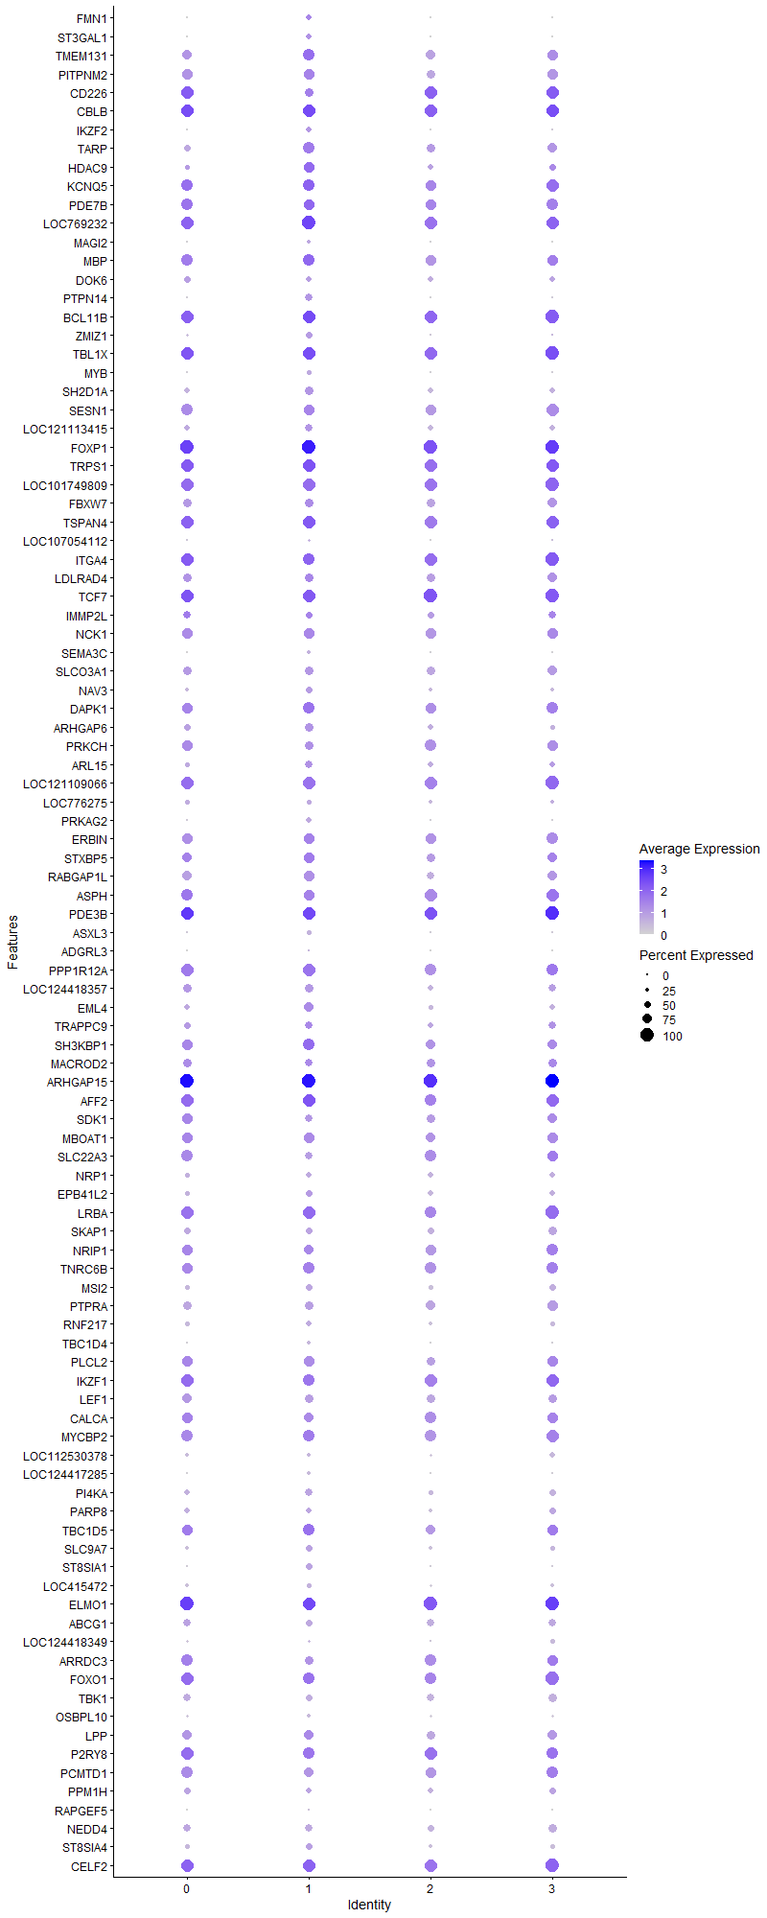
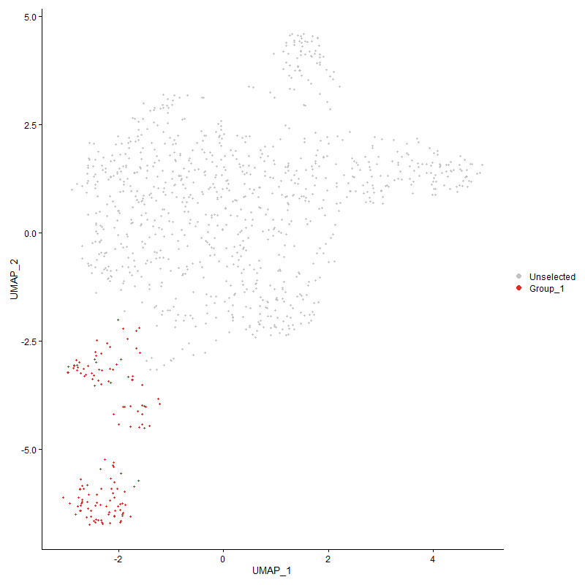
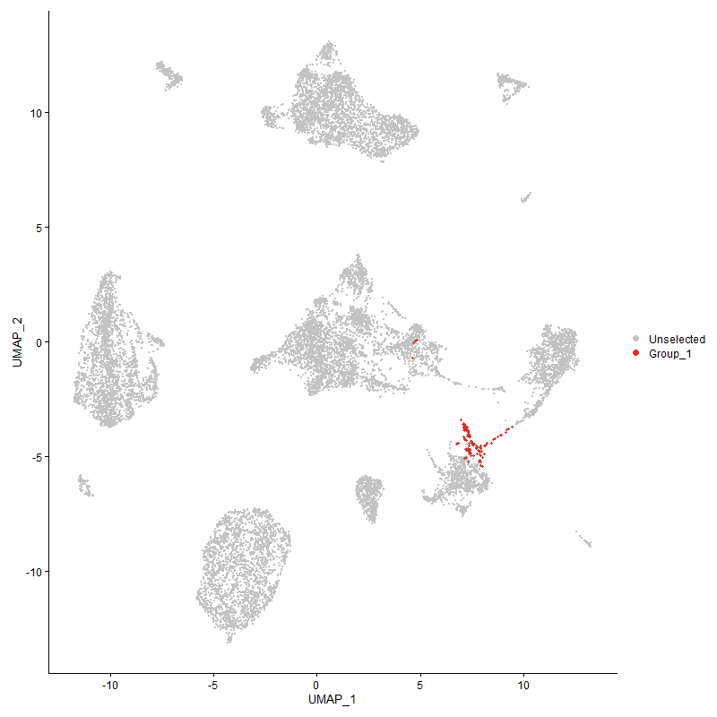
 | p_val | avg_log2FC | pct.1 | pct.2 | p_val_adj | cluster | gene
FMN1 | 2.8727611891E-124 | 1.9575784631 | 0.406 | 0.034 | 4.3869936119E-120 | 1 | FMN1
ST3GAL1 | 0 | 1.6734338795 | 0.384 | 0.005 | 0 | 1 | ST3GAL1
TMEM1311 | 4.8958135417E-43 | 1.4660867158 | 0.899 | 0.527 | 7.4763968595E-39 | 1 | TMEM131
PITPNM21 | 3.9000641979E-51 | 1.4313961765 | 0.775 | 0.294 | 5.9557880366E-47 | 1 | PITPNM2
CD2261 | 3.553426569E-43 | 1.3983649714 | 0.609 | 0.181 | 5.4264377136E-39 | 1 | CD226
CBLB1 | 8.3483103953E-40 | 1.3671518646 | 0.986 | 0.673 | 1.2748704805E-35 | 1 | CBLB
IKZF2 | 2.8719274526E-42 | 1.2939631506 | 0.377 | 0.075 | 4.3857204128E-38 | 1 | IKZF2
TARP | 8.7547511268E-55 | 1.2170364291 | 0.87 | 0.283 | 1.3369380446E-50 | 1 | TARP
HDAC9 | 2.4686517619E-27 | 1.1676218409 | 0.768 | 0.388 | 3.7698781056E-23 | 1 | HDAC9
KCNQ51 | 5.2769889653E-29 | 1.1647847207 | 0.891 | 0.609 | 8.058489849E-25 | 1 | KCNQ5
PDE7B1 | 7.4043258754E-26 | 1.16473091 | 0.797 | 0.446 | 1.1307146044E-21 | 1 | PDE7B
LOC7692321 | 2.9459505048E-34 | 1.1401888419 | 1 | 0.765 | 4.4987610158E-30 | 1 | LOC769232
MAGI2 | 4.4470215172E-97 | 1.1008668045 | 0.246 | 0.015 | 6.7910465589E-93 | 1 | MAGI2
MBP1 | 9.3966251377E-30 | 1.0788018602 | 0.92 | 0.668 | 1.4349586248E-25 | 1 | MBP
DOK61 | 3.1421001528E-42 | 1.0666663005 | 0.406 | 0.086 | 4.7983011433E-38 | 1 | DOK6
PTPN14 | 1.8832048289E-42 | 1.057473621 | 0.558 | 0.149 | 2.8758420942E-38 | 1 | PTPN14
BCL11B1 | 3.8097250399E-30 | 1.0548964 | 0.993 | 0.625 | 5.8178311085E-26 | 1 | BCL11B
ZMIZ1 | 2.9669698915E-40 | 1.0325937458 | 0.507 | 0.134 | 4.5308597213E-36 | 1 | ZMIZ1
TBL1X1 | 5.8033093205E-31 | 1.0260568615 | 0.971 | 0.815 | 8.8622336634E-27 | 1 | TBL1X
MYB | 1.6203772403E-134 | 1.0208372902 | 0.333 | 0.02 | 2.4744780837E-130 | 1 | MYB
SH2D1A1 | 1.2683408456E-40 | 1.0004853001 | 0.609 | 0.182 | 1.9368833053E-36 | 1 | SH2D1A
SESN11 | 5.6027375045E-29 | 0.98836817647 | 0.804 | 0.448 | 8.5559404432E-25 | 1 | SESN1
LOC1211134151 | 7.9247712727E-21 | 0.97552235694 | 0.565 | 0.247 | 1.2101918211E-16 | 1 | LOC121113415
FOXP1 | 4.489002874E-34 | 0.9624480904 | 1 | 0.976 | 6.8551562889E-30 | 1 | FOXP1
TRPS11 | 1.9542081116E-18 | 0.94817830501 | 0.964 | 0.735 | 2.9842712073E-14 | 1 | TRPS1
LOC1017498091 | 1.672179617E-28 | 0.93880584215 | 0.942 | 0.554 | 2.5535854931E-24 | 1 | LOC101749809
FBXW71 | 6.5574600578E-18 | 0.92702481433 | 0.652 | 0.362 | 1.0013897254E-13 | 1 | FBXW7
TSPAN41 | 2.1253771698E-24 | 0.9208149966 | 0.971 | 0.784 | 3.245663476E-20 | 1 | TSPAN4
LOC1070541121 | 1.9896691733E-126 | 0.91494245372 | 0.203 | 0.008 | 3.0384237945E-122 | 1 | LOC107054112
ITGA41 | 1.0941295775E-22 | 0.90806342631 | 0.92 | 0.793 | 1.6708452778E-18 | 1 | ITGA4
LDLRAD41 | 8.4995381108E-10 | 0.86960716615 | 0.616 | 0.434 | 1.2979644649E-05 | 1 | LDLRAD4
TCF71 | 3.0565604106E-26 | 0.85480284973 | 0.971 | 0.527 | 4.6676734031E-22 | 1 | TCF7
IMMP2L1 | 6.6190611525E-10 | 0.85259441162 | 0.5 | 0.28 | 1.0107968286E-05 | 1 | IMMP2L
NCK11 | 7.4420230934E-20 | 0.8328954703 | 0.812 | 0.489 | 1.1364713466E-15 | 1 | NCK1
SEMA3C | 4.912735979E-50 | 0.80652754094 | 0.232 | 0.026 | 7.5022391136E-46 | 1 | SEMA3C
SLCO3A11 | 5.9915272105E-18 | 0.80592488052 | 0.616 | 0.323 | 9.1496612032E-14 | 1 | SLCO3A1
NAV3 | 2.297449527E-15 | 0.79310688294 | 0.457 | 0.214 | 3.5084351726E-11 | 1 | NAV3
DAPK11 | 3.736263806E-14 | 0.79042992976 | 0.841 | 0.697 | 5.7056484581E-10 | 1 | DAPK1
ARHGAP61 | 2.8936942932E-16 | 0.77631332281 | 0.609 | 0.31 | 4.4189605551E-12 | 1 | ARHGAP6
PRKCH1 | 2.7701636149E-23 | 0.75610304571 | 0.616 | 0.251 | 4.2303168564E-19 | 1 | PRKCH
ARL15 | 1.0857131846E-11 | 0.75205370405 | 0.529 | 0.292 | 1.6579926042E-07 | 1 | ARL15
LOC1211090661 | 4.9821165442E-20 | 0.735409354 | 0.964 | 0.691 | 7.6081901746E-16 | 1 | LOC121109066
LOC7762751 | 2.9648950047E-22 | 0.72978242969 | 0.37 | 0.11 | 4.5276911616E-18 | 1 | LOC776275
PRKAG2 | 2.0811604112E-14 | 0.72900729724 | 0.406 | 0.184 | 3.1781400639E-10 | 1 | PRKAG2
ERBIN1 | 3.3511096815E-13 | 0.72313148948 | 0.804 | 0.626 | 5.1174795946E-09 | 1 | ERBIN
STXBP51 | 8.126671498E-12 | 0.71964237374 | 0.768 | 0.581 | 1.2410240045E-07 | 1 | STXBP5
RABGAP1L1 | 8.8129701601E-15 | 0.68424157802 | 0.768 | 0.517 | 1.3458286731E-10 | 1 | RABGAP1L
ASPH1 | 3.9071697698E-17 | 0.68213207336 | 0.804 | 0.508 | 5.9666389554E-13 | 1 | ASPH
PDE3B1 | 1.532066771E-16 | 0.68080990323 | 0.964 | 0.801 | 2.339619166E-12 | 1 | PDE3B
ASXL3 | 7.906645252E-34 | 0.67662055166 | 0.319 | 0.065 | 1.2074237964E-29 | 1 | ASXL3
ADGRL3 | 1.6952582402E-45 | 0.67062966305 | 0.116 | 0.007 | 2.5888288586E-41 | 1 | ADGRL3
PPP1R12A1 | 1.0544414069E-18 | 0.66550305151 | 0.942 | 0.817 | 1.6102374725E-14 | 1 | PPP1R12A
LOC1244183571 | 1.1164055871E-13 | 0.65135299087 | 0.616 | 0.353 | 1.704862972E-09 | 1 | LOC124418357
EML4 | 5.8283893034E-19 | 0.65051041283 | 0.725 | 0.396 | 8.9005333051E-15 | 1 | EML4
TRAPPC9 | 2.3278253261E-05 | 0.64242420233 | 0.543 | 0.42 | 0.35548220555 | 1 | TRAPPC9
SH3KBP1 | 1.9425758936E-12 | 0.63594348264 | 0.899 | 0.798 | 2.9665076472E-08 | 1 | SH3KBP1
MACROD21 | 1.7322604767E-05 | 0.62797559736 | 0.536 | 0.407 | 0.2645334974 | 1 | MACROD2
ARHGAP151 | 3.5014372158E-20 | 0.62635567157 | 1 | 0.983 | 5.3470447722E-16 | 1 | ARHGAP15
AFF2 | 9.3762014233E-17 | 0.61965936778 | 0.971 | 0.864 | 1.4318397193E-12 | 1 | AFF2
SDK11 | 1.9512636764E-09 | 0.61696534532 | 0.536 | 0.326 | 2.9797747602E-05 | 1 | SDK1
MBOAT11 | 9.9489383109E-14 | 0.61336880571 | 0.783 | 0.534 | 1.5193023695E-09 | 1 | MBOAT1
SLC22A31 | 1.0329744115E-13 | 0.61206393505 | 0.551 | 0.267 | 1.5774552238E-09 | 1 | SLC22A3
NRP11 | 4.1077812296E-16 | 0.60761714257 | 0.384 | 0.147 | 6.2729927158E-12 | 1 | NRP1
EPB41L2 | 4.1150775116E-06 | 0.60583786912 | 0.514 | 0.374 | 0.06284134868 | 1 | EPB41L2
LRBA1 | 5.3483505781E-12 | 0.59886271963 | 0.957 | 0.792 | 8.1674661678E-08 | 1 | LRBA
SKAP11 | 2.5406917472E-11 | 0.58099754902 | 0.514 | 0.283 | 3.8798903672E-07 | 1 | SKAP1
NRIP11 | 2.4318128581E-09 | 0.57450835092 | 0.732 | 0.511 | 3.7136214156E-05 | 1 | NRIP1
TNRC6B1 | 5.003678859E-15 | 0.56923896589 | 0.92 | 0.704 | 7.6411179856E-11 | 1 | TNRC6B
MSI2 | 9.1444296344E-08 | 0.56493187264 | 0.486 | 0.298 | 0.0013964458495 | 1 | MSI2
PTPRA1 | 2.080997406E-13 | 0.56385385963 | 0.645 | 0.381 | 3.1778911387E-09 | 1 | PTPRA
RNF217 | 7.6816525177E-10 | 0.56230693487 | 0.449 | 0.246 | 1.173065156E-05 | 1 | RNF217
TBC1D4 | 1.2256751745E-18 | 0.56219554534 | 0.275 | 0.078 | 1.871728559E-14 | 1 | TBC1D4
PLCL21 | 4.193859255E-12 | 0.54816079602 | 0.761 | 0.536 | 6.4044424683E-08 | 1 | PLCL2
IKZF11 | 6.3781857916E-10 | 0.54593444496 | 0.877 | 0.739 | 9.7401275223E-06 | 1 | IKZF1
LEF11 | 3.1413943085E-15 | 0.54289977219 | 0.659 | 0.336 | 4.7972232486E-11 | 1 | LEF1
CALCA1 | 3.6135837874E-08 | 0.53694014876 | 0.732 | 0.536 | 0.00055183038018 | 1 | CALCA
MYCBP2 | 1.5414500225E-07 | 0.5314015406 | 0.884 | 0.82 | 0.0023539483294 | 1 | MYCBP2
LOC1125303781 | 5.5512991553E-14 | 0.53066699234 | 0.254 | 0.081 | 8.4773889401E-10 | 1 | LOC112530378
LOC124417285 | 1.1034816506E-19 | 0.52926067614 | 0.225 | 0.053 | 1.6851268286E-15 | 1 | LOC124417285
PI4KA | 2.8645054222E-10 | 0.52815813061 | 0.565 | 0.345 | 4.3743862302E-06 | 1 | PI4KA
PARP81 | 3.1693106681E-06 | 0.52256858051 | 0.428 | 0.278 | 0.048398543212 | 1 | PARP8
TBC1D51 | 2.7590720049E-08 | 0.51844493809 | 0.855 | 0.763 | 0.00042133788587 | 1 | TBC1D5
SLC9A7 | 3.1643316418E-06 | 0.51768119436 | 0.507 | 0.353 | 0.048322508501 | 1 | SLC9A7
ST8SIA1 | 6.6768517859E-08 | 0.50157400567 | 0.464 | 0.272 | 0.0010196220362 | 1 | ST8SIA1
LOC415472 | 2.4578074817E-12 | 0.50094318028 | 0.348 | 0.136 | 3.7533178053E-08 | 1 | LOC415472
ELMO11 | 7.9654596889E-11 | 0.49155985652 | 0.978 | 0.917 | 1.2164053491E-06 | 1 | ELMO1
ABCG11 | 6.0035054037E-09 | 0.4852673354 | 0.486 | 0.286 | 9.167953102E-05 | 1 | ABCG1
LOC124418349 | 0.0021600678978 | 0.47683494614 | 0.174 | 0.101 | 1 | 1 | LOC124418349
ARRDC31 | 4.0683476795E-06 | 0.47641825492 | 0.667 | 0.515 | 0.062127737414 | 1 | ARRDC3
FOXO11 | 1.7139002582E-07 | 0.47603845384 | 0.862 | 0.683 | 0.0026172970843 | 1 | FOXO1
TBK11 | 6.2104216633E-12 | 0.46846775036 | 0.522 | 0.284 | 9.483934922E-08 | 1 | TBK1
OSBPL101 | 4.1547127276E-18 | 0.46834940689 | 0.268 | 0.074 | 6.3446618063E-14 | 1 | OSBPL10
LPP | 1.5269712112E-10 | 0.46640728211 | 0.754 | 0.514 | 2.3318377367E-06 | 1 | LPP
P2RY81 | 5.9526519021E-06 | 0.46608859654 | 0.899 | 0.717 | 0.090902947197 | 1 | P2RY8
PCMTD11 | 1.6907721659E-07 | 0.46598806302 | 0.696 | 0.513 | 0.0025819781746 | 1 | PCMTD1
PPM1H1 | 3.7478558769E-06 | 0.46441287857 | 0.428 | 0.267 | 0.057233507097 | 1 | PPM1H
RAPGEF5 | 7.0744600413E-121 | 0.46170801528 | 0.138 | 0.003 | 1.0803407929E-116 | 1 | RAPGEF5
NEDD41 | 7.2176857751E-11 | 0.46020916078 | 0.529 | 0.301 | 1.1022127947E-06 | 1 | NEDD4
ST8SIA4 | 0.0003023289772 | 0.46006592624 | 0.493 | 0.394 | 1 | 1 | ST8SIA4
CELF21 | 1.2579594053E-11 | 0.45830900461 | 0.986 | 0.919 | 1.9210298078E-07 | 1 | CELF2
NCOA31 | 9.5642204545E-07 | 0.45541466557 | 0.623 | 0.472 | 0.014605521056 | 1 | NCOA3
RB1CC11 | 3.464756708E-06 | 0.45034138855 | 0.558 | 0.404 | 0.052910299688 | 1 | RB1CC1
UTRN1 | 3.8273210365E-12 | 0.44800595832 | 0.993 | 0.919 | 5.8447019549E-08 | 1 | UTRN
LOC100859602 | 1.6073190247E-07 | 0.44554917733 | 0.855 | 0.776 | 0.0024545368826 | 1 | LOC100859602
DOCK21 | 2.3035316892E-10 | 0.44501399238 | 0.964 | 0.881 | 3.5177232426E-06 | 1 | DOCK2
ARID5B1 | 3.2237087254E-08 | 0.44494186833 | 0.587 | 0.375 | 0.00049229255946 | 1 | ARID5B
KDM6A1 | 1.1787597514E-08 | 0.43916576697 | 0.877 | 0.802 | 0.00018000840163 | 1 | KDM6A
TNRC6C1 | 1.8959399159E-09 | 0.43893543966 | 0.877 | 0.758 | 2.8952898456E-05 | 1 | TNRC6C
PHF21A1 | 2.2714331647E-05 | 0.43715363787 | 0.601 | 0.477 | 0.34687055857 | 1 | PHF21A
FAM53A | 0.00017226570501 | 0.43680732164 | 0.558 | 0.433 | 1 | 1 | FAM53A
PRKCE1 | 4.5216438207E-07 | 0.43640140462 | 0.739 | 0.572 | 0.0069050022786 | 1 | PRKCE
PIK3C2G | 6.5462550857E-12 | 0.43284627146 | 0.116 | 0.025 | 9.9967861413E-08 | 1 | PIK3C2G
CRIM1 | 0.10706172967 | 0.4327270564 | 0.29 | 0.254 | 1 | 1 | CRIM1
ATAD2B1 | 1.5084829467E-08 | 0.43182998862 | 0.572 | 0.382 | 0.00023036043079 | 1 | ATAD2B
NRK1 | 1.1380658101E-10 | 0.42999716966 | 1 | 0.851 | 1.7379402986E-06 | 1 | NRK
LOC1211102041 | 1.191664409E-11 | 0.42742887861 | 0.42 | 0.203 | 1.819790719E-07 | 1 | LOC121110204
UBAC21 | 5.8182437923E-05 | 0.42517535058 | 0.507 | 0.354 | 0.88850400953 | 1 | UBAC2
ID2 | 1.2955209538E-08 | 0.42369878579 | 0.42 | 0.235 | 0.00019783900485 | 1 | ID2
FER1 | 6.6934925349E-06 | 0.42360490165 | 0.355 | 0.221 | 0.1022163245 | 1 | FER
TSHZ21 | 5.3624923341E-06 | 0.42303048894 | 0.471 | 0.297 | 0.081890620434 | 1 | TSHZ2
CD441 | 5.3218807488E-10 | 0.42028804649 | 1 | 0.972 | 8.1270440915E-06 | 1 | CD44
PIP4K2A | 9.7882353873E-07 | 0.41939054975 | 0.725 | 0.597 | 0.01494761426 | 1 | PIP4K2A
LOC124417794 | 5.0076280432E-10 | 0.4189659284 | 0.116 | 0.028 | 7.6471487848E-06 | 1 | LOC124417794
BIRC6 | 3.1635354927E-08 | 0.4173227958 | 0.833 | 0.69 | 0.00048310350509 | 1 | BIRC6
ZBTB20 | 0.026994052613 | 0.41295148218 | 0.464 | 0.403 | 1 | 1 | ZBTB20
FNBP11 | 2.7976951271E-10 | 0.41192170927 | 0.935 | 0.781 | 4.2723602287E-06 | 1 | FNBP1
BRSK11 | 9.9088337872E-07 | 0.41121208247 | 0.768 | 0.565 | 0.015131780076 | 1 | BRSK1
MARK31 | 6.2470019308E-05 | 0.40899627022 | 0.478 | 0.353 | 0.95397966485 | 1 | MARK3
MLLT101 | 0.0033504259433 | 0.40851709943 | 0.565 | 0.525 | 1 | 1 | MLLT10
DIP2A | 1.946371373E-07 | 0.40748120202 | 0.507 | 0.317 | 0.0029723037236 | 1 | DIP2A
CD28 | 7.8902853399E-08 | 0.40641664571 | 0.391 | 0.207 | 0.0012049254743 | 1 | CD28
LOC1070489901 | 1.5512151847E-06 | 0.40635025794 | 0.761 | 0.614 | 0.023688607086 | 1 | LOC107048990
RUNX2 | 9.937627058E-05 | 0.40553857362 | 0.326 | 0.206 | 1 | 1 | RUNX2
ADARB1 | 4.0087684704E-10 | 0.405239378 | 0.406 | 0.199 | 6.1217903312E-06 | 1 | ADARB1
SLC6A6 | 2.4027319305E-10 | 0.40445881423 | 0.971 | 0.884 | 3.6692119311E-06 | 1 | SLC6A6
SLC4A7 | 1.1944864915E-06 | 0.40172695169 | 0.638 | 0.467 | 0.018241003212 | 1 | SLC4A7
KLF131 | 0.0031754671681 | 0.40159015653 | 0.623 | 0.586 | 1 | 1 | KLF13
LOC121106732 | 7.4101141248E-27 | 0.39695360089 | 0.196 | 0.032 | 1.131598528E-22 | 1 | LOC121106732
FAM53B | 3.3049653103E-13 | 0.39545158767 | 0.486 | 0.229 | 5.0470125253E-09 | 1 | FAM53B
PUM2 | 2.7285271864E-05 | 0.39326507954 | 0.587 | 0.472 | 0.41667338664 | 1 | PUM2
FAM65B1 | 6.4668758563E-08 | 0.39186351656 | 0.797 | 0.584 | 0.00098755661202 | 1 | FAM65B
LOC1070545921 | 9.7709729782E-12 | 0.39150422263 | 0.123 | 0.027 | 1.4921252835E-07 | 1 | LOC107054592
ATF7IP | 6.1882070245E-05 | 0.38988452924 | 0.536 | 0.416 | 0.94500109471 | 1 | ATF7IP
SH3RF3 | 0.0072956181349 | 0.38925199067 | 0.21 | 0.133 | 1 | 1 | SH3RF3
LOC1211064611 | 3.9660652944E-07 | 0.38639311526 | 0.826 | 0.621 | 0.0060565783111 | 1 | LOC121106461
REV3L | 0.005722592573 | 0.38611149088 | 0.442 | 0.371 | 1 | 1 | REV3L
STRN3 | 3.913080868E-05 | 0.3860443619 | 0.413 | 0.291 | 0.59756657936 | 1 | STRN3
CUX11 | 4.8211286763E-06 | 0.38361223577 | 0.783 | 0.619 | 0.073623456017 | 1 | CUX1
RAI2 | 1.0410481117E-12 | 0.38188913375 | 0.203 | 0.061 | 1.5897845713E-08 | 1 | RAI2
WDR33 | 3.1618185741E-05 | 0.37931394632 | 0.37 | 0.237 | 0.48284131445 | 1 | WDR33
SLC36A4 | 2.082615567E-15 | 0.37928496492 | 0.268 | 0.083 | 3.1803622323E-11 | 1 | SLC36A4
NAP1L11 | 1.3323501417E-06 | 0.37810830569 | 0.5 | 0.324 | 0.020346319014 | 1 | NAP1L1
CEP170 | 0.065581461879 | 0.3775133017 | 0.246 | 0.2 | 1 | 1 | CEP170
PRKAR2A | 1.1643376383E-07 | 0.37593876024 | 0.71 | 0.481 | 0.0017780600075 | 1 | PRKAR2A
DPF31 | 8.8039053951E-08 | 0.37501134882 | 0.348 | 0.175 | 0.0013444443929 | 1 | DPF3
PRKCA | 2.3269459481E-05 | 0.37274709684 | 0.254 | 0.138 | 0.35534791574 | 1 | PRKCA
TNS31 | 0.00013577542349 | 0.37258997965 | 0.399 | 0.274 | 1 | 1 | TNS3
ITSN21 | 4.4195188058E-09 | 0.37219108492 | 0.471 | 0.261 | 6.7490471683E-05 | 1 | ITSN2
ITGA11 | 1.1023244873E-08 | 0.37201011998 | 0.478 | 0.27 | 0.00016833597246 | 1 | ITGA1
GRK3 | 1.7578672686E-05 | 0.37168999406 | 0.623 | 0.479 | 0.26844391059 | 1 | GRK3
FARS21 | 9.3185083932E-05 | 0.37013505123 | 0.399 | 0.274 | 1 | 1 | FARS2
HLCS1 | 0.028017351677 | 0.36874410676 | 0.442 | 0.375 | 1 | 1 | HLCS
KCNK7 | 0.00033550955496 | 0.36697806556 | 0.348 | 0.234 | 1 | 1 | KCNK7
COMMD101 | 0.0032222055297 | 0.36673631748 | 0.239 | 0.158 | 1 | 1 | COMMD10
TCF121 | 8.6292624546E-05 | 0.36428376529 | 0.63 | 0.488 | 1 | 1 | TCF12
LOC427439 | 4.8272135851E-05 | 0.36219693448 | 0.652 | 0.54 | 0.73716378658 | 1 | LOC427439
HBS1L | 6.9575238673E-09 | 0.36214998811 | 0.5 | 0.286 | 0.00010624834698 | 1 | HBS1L
ARID4B | 6.1511332285E-06 | 0.36119692178 | 0.652 | 0.502 | 0.093933955533 | 1 | ARID4B
STK17B1 | 2.9061022927E-05 | 0.36025171879 | 0.609 | 0.448 | 0.44379088112 | 1 | STK17B
MGMT | 0.00036612878747 | 0.35899262808 | 0.362 | 0.238 | 1 | 1 | MGMT
AHR1A | 2.9223796148E-06 | 0.35774328304 | 0.384 | 0.219 | 0.044627659097 | 1 | AHR1A
GFOD11 | 0.00010296441778 | 0.35657996951 | 0.478 | 0.363 | 1 | 1 | GFOD1
CLGN1 | 1.6178187687E-11 | 0.35491250055 | 0.225 | 0.075 | 2.4705710417E-07 | 1 | CLGN
CD71 | 5.7984359869E-13 | 0.35417084261 | 0.188 | 0.052 | 8.8547915955E-09 | 1 | CD7
PHACTR11 | 7.6968787005E-57 | 0.35368377294 | 0.225 | 0.021 | 1.1753903463E-52 | 1 | PHACTR1
ATP8A11 | 2.4331006778E-05 | 0.35321542152 | 0.312 | 0.185 | 0.37155880451 | 1 | ATP8A1
BCAS31 | 0.0095547526122 | 0.35219982687 | 0.5 | 0.447 | 1 | 1 | BCAS3
TSHZ1 | 1.3452766667E-07 | 0.35118201981 | 0.203 | 0.08 | 0.0020543719977 | 1 | TSHZ1
CD164 | 3.0560845325E-05 | 0.35046982164 | 0.507 | 0.375 | 0.46669466896 | 1 | CD164
EXT1 | 0.035787346161 | 0.35027238924 | 0.333 | 0.266 | 1 | 1 | EXT1
MCTP11 | 0.0011808612844 | 0.34992962219 | 0.319 | 0.21 | 1 | 1 | MCTP1
BANP1 | 4.5801373556E-05 | 0.34807165774 | 0.391 | 0.249 | 0.69943277558 | 1 | BANP
LOC1211109061 | 1.8064026918E-05 | 0.34633417822 | 0.138 | 0.055 | 0.27585575507 | 1 | LOC121110906
PHLPP1 | 8.8736011258E-06 | 0.34618023212 | 0.348 | 0.205 | 0.13550876279 | 1 | PHLPP1
FHIT | 0.12007279249 | 0.34507877568 | 0.275 | 0.235 | 1 | 1 | FHIT
PITPNC1 | 2.0130557589E-06 | 0.34454972656 | 0.775 | 0.635 | 0.030741374494 | 1 | PITPNC1
ESRRG1 | 0.041061888433 | 0.3439691631 | 0.594 | 0.512 | 1 | 1 | ESRRG
CRYBG31 | 0.0003311539388 | 0.3436464844 | 0.428 | 0.305 | 1 | 1 | CRYBG3
WWOX1 | 0.07278569103 | 0.34347328758 | 0.428 | 0.372 | 1 | 1 | WWOX
ADRB2 | 2.5272934953E-09 | 0.34245227981 | 0.457 | 0.239 | 3.8594298967E-05 | 1 | ADRB2
STK31 | 0.00027645193833 | 0.34139459284 | 0.486 | 0.363 | 1 | 1 | STK3
IL7R1 | 2.7628505539E-06 | 0.34032587573 | 0.536 | 0.349 | 0.042191490809 | 1 | IL7R
MAP3K4 | 0.0033448910493 | 0.33923662985 | 0.384 | 0.289 | 1 | 1 | MAP3K4
VPS13B1 | 0.00018488464914 | 0.33843975708 | 0.696 | 0.623 | 1 | 1 | VPS13B
NR3C21 | 0.00014941404425 | 0.3369005714 | 0.507 | 0.365 | 1 | 1 | NR3C2
SLC24A31 | 0.00058284877361 | 0.33679875194 | 0.464 | 0.359 | 1 | 1 | SLC24A3
JARID21 | 0.047255175228 | 0.33420782759 | 0.739 | 0.794 | 1 | 1 | JARID2
ATP10A | 0.00085610531796 | 0.33391576649 | 0.268 | 0.17 | 1 | 1 | ATP10A
EMB | 3.4814629397E-05 | 0.33306219514 | 0.225 | 0.119 | 0.53165420552 | 1 | EMB
ZMYND8 | 1.6296017856E-05 | 0.33122445673 | 0.384 | 0.244 | 0.24885648868 | 1 | ZMYND8
SUPT3H1 | 0.021440023542 | 0.33103296163 | 0.406 | 0.33 | 1 | 1 | SUPT3H
PLAGL1 | 0.00025073235259 | 0.33007619964 | 0.362 | 0.252 | 1 | 1 | PLAGL1
ZNF827 | 0.00030450820408 | 0.32899412307 | 0.312 | 0.195 | 1 | 1 | ZNF827
PRKCQ | 9.0703882953E-07 | 0.32886248358 | 0.609 | 0.408 | 0.013851389966 | 1 | PRKCQ
ROCK11 | 0.00019507505226 | 0.32754025164 | 0.841 | 0.791 | 1 | 1 | ROCK1
CTDSPL | 2.4344407821E-06 | 0.32645954081 | 0.572 | 0.399 | 0.037176345183 | 1 | CTDSPL
ANO10 | 3.1307961777E-05 | 0.32551210414 | 0.196 | 0.093 | 0.47810388429 | 1 | ANO10
SSBP2 | 0.0078448326886 | 0.32546779239 | 0.246 | 0.163 | 1 | 1 | SSBP2
CLEC16A | 0.00015754357773 | 0.32522131479 | 0.37 | 0.251 | 1 | 1 | CLEC16A
CDKAL11 | 0.00069638514363 | 0.32439589671 | 0.732 | 0.63 | 1 | 1 | CDKAL1
MICAL2 | 1.0104490566E-07 | 0.32325777674 | 0.239 | 0.104 | 0.0015430567543 | 1 | MICAL2
REPS1 | 0.00035371111905 | 0.32091855417 | 0.406 | 0.289 | 1 | 1 | REPS1
TRANK1 | 1.8127609351E-05 | 0.31990453111 | 0.406 | 0.265 | 0.2768267224 | 1 | TRANK1
FYN | 4.215284517E-06 | 0.31900830374 | 0.862 | 0.703 | 0.064371609859 | 1 | FYN
LMF1 | 1.179755319E-06 | 0.31887720292 | 0.217 | 0.099 | 0.018016043477 | 1 | LMF1
PCNX2 | 4.5490594215E-05 | 0.31641935816 | 0.275 | 0.156 | 0.69468686426 | 1 | PCNX2
SLK | 0.00050075923433 | 0.31585131 | 0.819 | 0.685 | 1 | 1 | SLK
LOC121109039 | 1.129996421E-05 | 0.31535906528 | 0.217 | 0.106 | 0.17256175345 | 1 | LOC121109039
OSBPL1A1 | 2.4800999262E-05 | 0.3145226557 | 0.384 | 0.245 | 0.37873605973 | 1 | OSBPL1A
TOX1 | 0.00011433191775 | 0.31164264356 | 0.688 | 0.522 | 1 | 1 | TOX
LPIN21 | 0.00080091936611 | 0.31052658347 | 0.428 | 0.321 | 1 | 1 | LPIN2
IFNGR11 | 0.00017036409836 | 0.310439021 | 0.449 | 0.325 | 1 | 1 | IFNGR1
CAMK2D | 0.00075865775372 | 0.31033421683 | 0.609 | 0.497 | 1 | 1 | CAMK2D
UBASH3B | 5.7179005643E-10 | 0.31003616906 | 0.341 | 0.15 | 8.7318059518E-06 | 1 | UBASH3B
SEPTIN7 | 0.0010530614186 | 0.30988083465 | 0.667 | 0.607 | 1 | 1 | SEPTIN7
SCAF81 | 2.3160316139E-06 | 0.30964961885 | 0.623 | 0.44 | 0.035368118776 | 1 | SCAF8
ZDHHC17 | 0.00010928521104 | 0.30907749796 | 0.442 | 0.303 | 1 | 1 | ZDHHC17
MSH3 | 3.743169677E-06 | 0.30806736493 | 0.203 | 0.091 | 0.057161944138 | 1 | MSH3
IL161 | 3.7309844903E-05 | 0.30765887553 | 0.399 | 0.255 | 0.56975864152 | 1 | IL16
ETS1 | 6.0794540711E-06 | 0.30759789751 | 0.913 | 0.721 | 0.092839343119 | 1 | ETS1
SPATA5 | 0.054436125925 | 0.30745017203 | 0.29 | 0.23 | 1 | 1 | SPATA5
BRAF | 0.00010740414379 | 0.30700180387 | 0.659 | 0.538 | 1 | 1 | BRAF
TCF3 | 7.7713839462E-08 | 0.30578816309 | 0.304 | 0.152 | 0.0011867680424 | 1 | TCF3
PITPNM3 | 4.1961926159E-14 | 0.30550605503 | 0.196 | 0.052 | 6.4080057437E-10 | 1 | PITPNM3
EIF2AK3 | 0.0015112846514 | 0.30523537299 | 0.493 | 0.396 | 1 | 1 | EIF2AK3
RBMS11 | 8.9037164579E-05 | 0.30476881664 | 0.536 | 0.392 | 1 | 1 | RBMS1
TNIK | 8.8137395437E-07 | 0.30444008113 | 0.623 | 0.428 | 0.013459461657 | 1 | TNIK
PPP6R2 | 0.00019114949772 | 0.3039488198 | 0.391 | 0.266 | 1 | 1 | PPP6R2
DAPK21 | 3.613333226E-06 | 0.30393253694 | 0.254 | 0.129 | 0.055179211694 | 1 | DAPK2
KIF16B1 | 0.00067104981726 | 0.30338520094 | 0.42 | 0.307 | 1 | 1 | KIF16B
STAG1 | 0.00017824042529 | 0.30301737947 | 0.572 | 0.44 | 1 | 1 | STAG1
INPP4B1 | 0.071697091942 | 0.30194514266 | 0.413 | 0.373 | 1 | 1 | INPP4B
RALGPS2 | 0.0011183191137 | 0.29890027416 | 0.138 | 0.07 | 1 | 1 | RALGPS2
PAN31 | 0.0020673253212 | 0.29430471414 | 0.638 | 0.574 | 1 | 1 | PAN3
MAML3 | 0.10221426413 | 0.29343832601 | 0.268 | 0.221 | 1 | 1 | MAML3
FBXL171 | 0.2155444931 | 0.2930451671 | 0.37 | 0.353 | 1 | 1 | FBXL17
SMC4 | 0.12148371825 | 0.29131169186 | 0.297 | 0.268 | 1 | 1 | SMC4
DCAF61 | 2.8143091361E-05 | 0.29122460422 | 0.377 | 0.237 | 0.42977314817 | 1 | DCAF6
CAMK1D | 0.068441449104 | 0.28861369032 | 0.5 | 0.471 | 1 | 1 | CAMK1D
ZMYND111 | 0.00059652671868 | 0.28764682721 | 0.667 | 0.549 | 1 | 1 | ZMYND11
RUNX11 | 5.870127719E-06 | 0.28705679472 | 0.964 | 0.922 | 0.089642720397 | 1 | RUNX1
NR1H3 | 1.3653694389E-08 | 0.28493965507 | 0.362 | 0.178 | 0.00020850556701 | 1 | NR1H3
GFI1 | 1.292147052E-16 | 0.28449342852 | 0.254 | 0.072 | 1.9732377631E-12 | 1 | GFI1
ARID1B1 | 0.00033686976943 | 0.28316688577 | 0.928 | 0.94 | 1 | 1 | ARID1B
DDX10 | 6.1672290729E-05 | 0.28314266653 | 0.283 | 0.162 | 0.94179755173 | 1 | DDX10
SNX291 | 0.020246146199 | 0.28302020863 | 0.37 | 0.297 | 1 | 1 | SNX29
PRKX | 0.0017218383377 | 0.28231590928 | 0.348 | 0.237 | 1 | 1 | PRKX
ARID2 | 0.077000200961 | 0.27893267039 | 0.507 | 0.5 | 1 | 1 | ARID2
ABI11 | 1.6716944406E-06 | 0.27883057221 | 0.855 | 0.682 | 0.025528445802 | 1 | ABI1
PARK21 | 0.019348677587 | 0.27711196106 | 0.254 | 0.181 | 1 | 1 | PARK2
NKTR | 1.2075552454E-05 | 0.27662326676 | 0.362 | 0.218 | 0.18440576152 | 1 | NKTR
PUM1 | 0.00057369563189 | 0.27645037042 | 0.572 | 0.462 | 1 | 1 | PUM1
STK101 | 0.0081651877405 | 0.27560823679 | 0.551 | 0.489 | 1 | 1 | STK10
RALGAPA2 | 0.0037926762123 | 0.2750144111 | 0.362 | 0.27 | 1 | 1 | RALGAPA2
MAPKAP1 | 0.00047614088821 | 0.2714910984 | 0.297 | 0.188 | 1 | 1 | MAPKAP1
INPP5F | 1.0806714877E-05 | 0.27108090975 | 0.196 | 0.091 | 0.16502934289 | 1 | INPP5F
SNRK | 5.2074664985E-05 | 0.270721029 | 0.522 | 0.347 | 0.79523220899 | 1 | SNRK
SLC10A7 | 0.035492174242 | 0.26926591339 | 0.413 | 0.347 | 1 | 1 | SLC10A7
TMEM135 | 0.045776953818 | 0.26878342282 | 0.442 | 0.394 | 1 | 1 | TMEM135
HPCAL11 | 7.3744875628E-05 | 0.26846622494 | 0.428 | 0.287 | 1 | 1 | HPCAL1
ANAPC10 | 0.014161284195 | 0.26724599188 | 0.203 | 0.135 | 1 | 1 | ANAPC10
PHIP | 0.00030581865541 | 0.26695588481 | 0.623 | 0.516 | 1 | 1 | PHIP
SLC2A13 | 0.00098401858571 | 0.26690961307 | 0.239 | 0.144 | 1 | 1 | SLC2A13
CMSS11 | 0.0050301150276 | 0.26651951189 | 0.333 | 0.241 | 1 | 1 | CMSS1
UBR3 | 0.016886765268 | 0.2662739628 | 0.355 | 0.286 | 1 | 1 | UBR3
FBXO341 | 1.586128543E-05 | 0.26411139346 | 0.348 | 0.208 | 0.2422176898 | 1 | FBXO34
MYEF2 | 0.0012520853556 | 0.26384813733 | 0.232 | 0.146 | 1 | 1 | MYEF2
SMCHD11 | 0.0042361917053 | 0.26380747913 | 0.609 | 0.54 | 1 | 1 | SMCHD1
SHPRH | 0.00034485517878 | 0.26253201929 | 0.159 | 0.078 | 1 | 1 | SHPRH
CEP85L1 | 0.024030429796 | 0.26153475789 | 0.732 | 0.688 | 1 | 1 | CEP85L
GLCCI11 | 0.0004626640377 | 0.26101977743 | 0.58 | 0.431 | 1 | 1 | GLCCI1
PPM1A1 | 0.00038710641247 | 0.26032035395 | 0.399 | 0.277 | 1 | 1 | PPM1A
MGAT4A1 | 0.0012629134983 | 0.25950875025 | 0.717 | 0.577 | 1 | 1 | MGAT4A
TNFAIP8 | 0.040030762521 | 0.25853524034 | 0.37 | 0.316 | 1 | 1 | TNFAIP8
N4BP1 | 0.048055588767 | 0.25808194794 | 0.384 | 0.338 | 1 | 1 | N4BP1
EHBP1 | 7.5954078161E-06 | 0.25784070057 | 0.246 | 0.122 | 0.11598947276 | 1 | EHBP1
BBX | 0.36917303696 | 0.25711163891 | 0.435 | 0.439 | 1 | 1 | BBX
VTI1A1 | 0.34268921874 | 0.25648986833 | 0.478 | 0.454 | 1 | 1 | VTI1A
EVL | 0.015722436317 | 0.25607487948 | 0.551 | 0.497 | 1 | 1 | EVL
LOC1070531441 | 0.012074164824 | 0.25539567571 | 0.326 | 0.243 | 1 | 1 | LOC107053144
GPHN1 | 0.0058955346132 | 0.25525780075 | 0.348 | 0.252 | 1 | 1 | GPHN
SNTB11 | 2.5929850793E-05 | 0.25505205417 | 0.217 | 0.107 | 0.39597475145 | 1 | SNTB1
KIAA1468 | 0.17266139053 | 0.25499765493 | 0.377 | 0.353 | 1 | 1 | KIAA1468
FMR1 | 0.0027075464926 | 0.25460208579 | 0.319 | 0.237 | 1 | 1 | FMR1
LOC124417868 | 6.4032114932E-49 | 0.25395798759 | 0.174 | 0.015 | 9.7783442713E-45 | 1 | LOC124417868
FAM110B | 4.2828208149E-142 | 0.25350988936 | 0.116 | 0.002 | 6.5402956664E-138 | 1 | FAM110B
LOC772071 | 7.2536382104E-05 | 0.25252192983 | 0.42 | 0.286 | 1 | 1 | LOC772071
ANKRD17 | 3.5137696227E-05 | 0.25195456659 | 0.522 | 0.372 | 0.53658775909 | 1 | ANKRD17
NCOA21 | 0.042372525622 | 0.25139767723 | 0.674 | 0.629 | 1 | 1 | NCOA2
PAM | 0.00054284905523 | 0.25063878967 | 0.101 | 0.043 | 1 | 1 | PAM

Cluster2
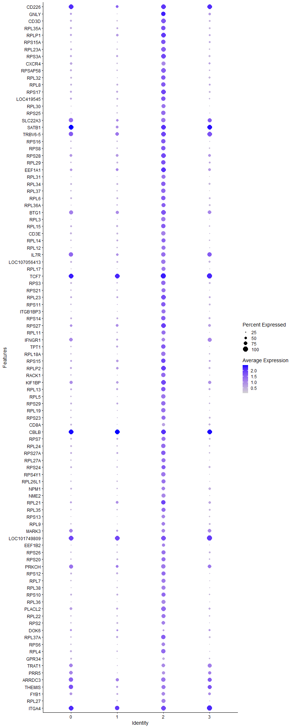
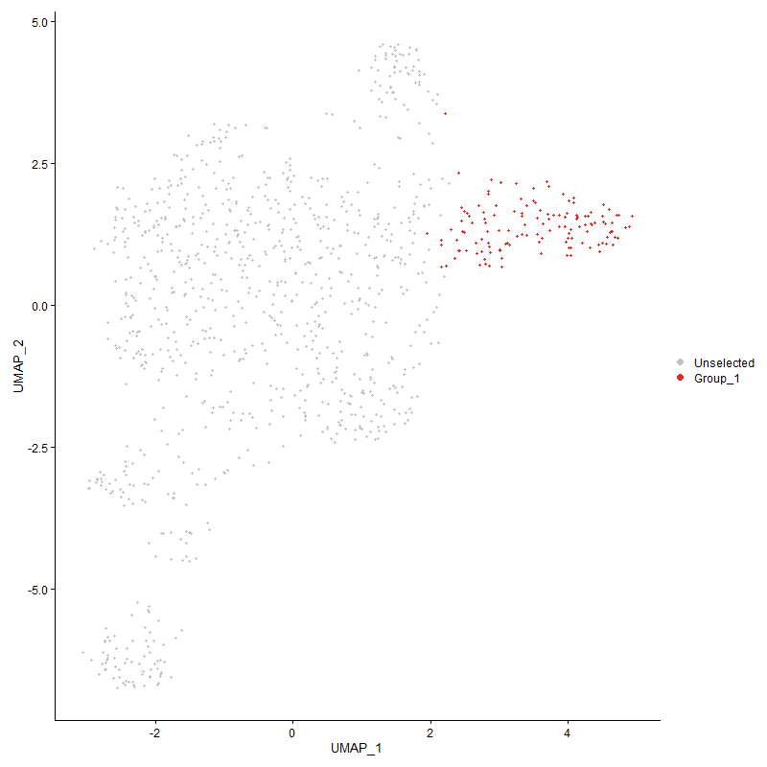
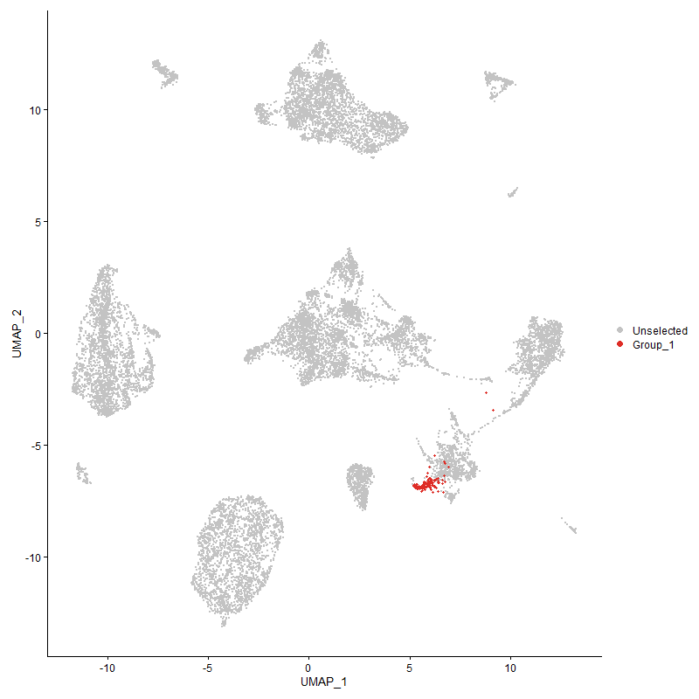
 | p_val | avg_log2FC | pct.1 | pct.2 | p_val_adj | cluster | gene | Activated?
CD2262 | 1.5945169149E-149 | 2.2002734499 | 0.985 | 0.178 | 2.4349867807E-145 | 2 | CD226
GNLY | 3.6637481875E-152 | 2.1422329256 | 0.917 | 0.148 | 5.5949098571E-148 | 2 | GNLY
CD3D | 3.901796528E-73 | 1.5821400591 | 0.932 | 0.343 | 5.9584334778E-69 | 2 | CD3D
RPL35A | 1.9099658141E-35 | 1.1595346824 | 0.917 | 0.561 | 2.9167087948E-31 | 2 | RPL35A
RPLP1 | 1.8369298826E-37 | 1.1382764545 | 0.947 | 0.685 | 2.8051756237E-33 | 2 | RPLP1
RPS15A | 4.7132236374E-28 | 1.1315475484 | 0.879 | 0.523 | 7.1975638167E-24 | 2 | RPS15A
RPL23A | 1.0852473075E-43 | 1.1067224043 | 0.947 | 0.504 | 1.6572811633E-39 | 2 | RPL23A
RPS3A | 1.4283693896E-33 | 1.1032183606 | 0.939 | 0.642 | 2.1812628949E-29 | 2 | RPS3A
CXCR41 | 5.1467486824E-72 | 1.0984916689 | 0.818 | 0.211 | 7.8595999128E-68 | 2 | CXCR4
RPSAP58 | 3.835062373E-42 | 1.0901721132 | 0.955 | 0.543 | 5.8565237498E-38 | 2 | RPSAP58
RPL32 | 2.2786767831E-34 | 1.081567937 | 0.924 | 0.538 | 3.4797673154E-30 | 2 | RPL32
RPL8 | 8.9679984875E-35 | 1.0810163488 | 0.924 | 0.571 | 1.369503049E-30 | 2 | RPL8
RPS17 | 5.1755465027E-33 | 1.069053499 | 0.947 | 0.649 | 7.9035770643E-29 | 2 | RPS17
LOC419545 | 1.7471651961E-34 | 1.0689942964 | 0.924 | 0.517 | 2.6680959709E-30 | 2 | LOC419545
RPL30 | 3.963625618E-30 | 1.0529878929 | 0.78 | 0.392 | 6.0528526812E-26 | 2 | RPL30
RPS25 | 1.9952131425E-38 | 1.0498730391 | 0.886 | 0.449 | 3.0468899899E-34 | 2 | RPS25
SLC22A32 | 1.6835360922E-56 | 1.0431397255 | 0.871 | 0.264 | 2.5709279664E-52 | 2 | SLC22A3
SATB11 | 4.594640933E-38 | 1.0425791839 | 0.962 | 0.446 | 7.0164761688E-34 | 2 | SATB1
TRBV6-51 | 5.2519063615E-29 | 1.0407216595 | 0.97 | 0.598 | 8.0201862047E-25 | 2 | TRBV6-5
RPS16 | 2.5184383778E-28 | 1.0393641643 | 0.871 | 0.529 | 3.8459072468E-24 | 2 | RPS16
RPS8 | 7.0344915473E-33 | 1.0364730436 | 0.917 | 0.577 | 1.0742372042E-28 | 2 | RPS8
RPS28 | 6.7517292876E-31 | 1.0360685495 | 0.932 | 0.694 | 1.0310565795E-26 | 2 | RPS28
RPL29 | 9.3811583502E-24 | 1.0280290503 | 0.856 | 0.569 | 1.4325966917E-19 | 2 | RPL29
EEF1A1 | 2.910931853E-33 | 1.0230870217 | 0.97 | 0.761 | 4.4452840327E-29 | 2 | EEF1A1
RPL31 | 2.7470907884E-33 | 1.0116233148 | 0.811 | 0.38 | 4.1950823429E-29 | 2 | RPL31
RPL34 | 1.6078724869E-25 | 1.0043821989 | 0.879 | 0.531 | 2.4553820748E-21 | 2 | RPL34
RPL37 | 1.6500756162E-32 | 0.99621605763 | 0.879 | 0.487 | 2.5198304736E-28 | 2 | RPL37
RPL6 | 1.6762345164E-33 | 0.99055506353 | 0.894 | 0.59 | 2.55977773E-29 | 2 | RPL6
RPL36A | 3.7298482568E-26 | 0.98749793246 | 0.833 | 0.514 | 5.695851273E-22 | 2 | RPL36A
BTG1 | 1.1296944455E-42 | 0.98143135176 | 0.992 | 0.69 | 1.7251563877E-38 | 2 | BTG1
RPL3 | 6.4389445835E-36 | 0.97765407526 | 0.864 | 0.407 | 9.8329122735E-32 | 2 | RPL3
RPL15 | 2.4036390451E-26 | 0.96756128963 | 0.879 | 0.588 | 3.6705971858E-22 | 2 | RPL15
CD3E | 5.625746689E-52 | 0.96641837943 | 0.871 | 0.305 | 8.5910777688E-48 | 2 | CD3E
RPL14 | 5.6706152869E-29 | 0.96370417864 | 0.833 | 0.509 | 8.6595966047E-25 | 2 | RPL14
RPL12 | 2.0000639158E-29 | 0.96219044505 | 0.811 | 0.423 | 3.0542976059E-25 | 2 | RPL12
IL7R2 | 6.3174754807E-44 | 0.96142284515 | 0.902 | 0.346 | 9.6474168066E-40 | 2 | IL7R
LOC107056413 | 7.798603001E-47 | 0.96086482899 | 0.909 | 0.413 | 1.1909246643E-42 | 2 | LOC107056413
RPL17 | 2.8611445478E-28 | 0.95651841801 | 0.788 | 0.41 | 4.3692538389E-24 | 2 | RPL17
TCF72 | 1.310331202E-33 | 0.95629074425 | 1 | 0.527 | 2.0010067786E-29 | 2 | TCF7
RPS3 | 1.8388825183E-29 | 0.94216452429 | 0.864 | 0.538 | 2.8081574936E-25 | 2 | RPS3
RPS21 | 1.7122820601E-30 | 0.9415286704 | 0.818 | 0.446 | 2.614825934E-26 | 2 | RPS21
RPL23 | 1.3052990744E-27 | 0.93755636446 | 0.947 | 0.648 | 1.9933222166E-23 | 2 | RPL23
RPS11 | 1.0158065783E-23 | 0.93430118714 | 0.879 | 0.559 | 1.5512382257E-19 | 2 | RPS11
ITGB1BP3 | 5.5004926519E-24 | 0.92634329969 | 0.773 | 0.449 | 8.3998023287E-20 | 2 | ITGB1BP3
RPS14 | 2.8289446273E-30 | 0.92600016861 | 0.909 | 0.584 | 4.3200813403E-26 | 2 | RPS14
RPS27 | 6.0591396957E-30 | 0.92164980004 | 0.97 | 0.747 | 9.2529122294E-26 | 2 | RPS27
RPL11 | 1.3664316696E-23 | 0.91831281658 | 0.788 | 0.455 | 2.0866778026E-19 | 2 | RPL11
IFNGR12 | 6.1007316816E-35 | 0.91562086262 | 0.758 | 0.323 | 9.3164273509E-31 | 2 | IFNGR1
TPT1 | 1.185273721E-23 | 0.91530735408 | 0.902 | 0.567 | 1.8100314994E-19 | 2 | TPT1
RPL18A | 1.7850900008E-34 | 0.91115611576 | 0.864 | 0.441 | 2.7260109402E-30 | 2 | RPL18A
RPS15 | 1.6715532418E-23 | 0.90859248344 | 0.894 | 0.705 | 2.5526289556E-19 | 2 | RPS15
RPLP2 | 5.8732779886E-24 | 0.90664194366 | 0.962 | 0.708 | 8.9690828164E-20 | 2 | RPLP2
RACK1 | 5.7118230022E-33 | 0.89688741501 | 0.917 | 0.515 | 8.7225249066E-29 | 2 | RACK1
KIF1BP | 3.7453074429E-42 | 0.89608107423 | 0.992 | 0.708 | 5.719458996E-38 | 2 | KIF1BP
RPL13 | 3.3596018597E-25 | 0.88923170959 | 0.917 | 0.661 | 5.1304479999E-21 | 2 | RPL13
RPL5 | 1.8667605109E-31 | 0.88017786434 | 0.902 | 0.469 | 2.8507299762E-27 | 2 | RPL5
RPS29 | 5.1826775188E-24 | 0.87554816912 | 0.856 | 0.521 | 7.9144668389E-20 | 2 | RPS29
RPL19 | 1.5049681062E-28 | 0.87202443095 | 0.879 | 0.495 | 2.298236795E-24 | 2 | RPL19
RPS23 | 2.6041430116E-19 | 0.86893763857 | 0.788 | 0.501 | 3.976786793E-15 | 2 | RPS23
CD8A1 | 1.1726779825E-142 | 0.86888667401 | 0.644 | 0.069 | 1.7907965471E-138 | 2 | CD8A
CBLB2 | 2.0295376458E-26 | 0.86757119412 | 0.985 | 0.673 | 3.0993069389E-22 | 2 | CBLB
RPS7 | 2.8682627857E-26 | 0.86675852883 | 0.833 | 0.485 | 4.3801241E-22 | 2 | RPS7
RPL24 | 1.0047148125E-25 | 0.86056482258 | 0.886 | 0.541 | 1.5342999901E-21 | 2 | RPL24
RPS27A | 8.5372374958E-26 | 0.86046258862 | 0.924 | 0.615 | 1.303721538E-21 | 2 | RPS27A
RPL27A | 1.1126005931E-25 | 0.85854732304 | 0.811 | 0.448 | 1.6990523657E-21 | 2 | RPL27A
RPS24 | 6.9489834645E-18 | 0.85846217252 | 0.818 | 0.604 | 1.0611792649E-13 | 2 | RPS24
RPS4Y1 | 1.6269661032E-32 | 0.84397849557 | 0.864 | 0.433 | 2.4845399363E-28 | 2 | RPS4Y1
RPL26L1 | 1.384029121E-25 | 0.84237583162 | 0.826 | 0.487 | 2.1135508707E-21 | 2 | RPL26L1
NPM1 | 1.8851641471E-23 | 0.83774297389 | 0.765 | 0.438 | 2.8788341691E-19 | 2 | NPM1
NME2 | 3.06571705E-33 | 0.83614553045 | 0.788 | 0.35 | 4.681656507E-29 | 2 | NME2
RPL21 | 5.8885588863E-17 | 0.83432199579 | 0.894 | 0.716 | 8.9924182753E-13 | 2 | RPL21
RPL35 | 1.0284013495E-20 | 0.83259429274 | 0.818 | 0.523 | 1.5704717008E-16 | 2 | RPL35
RPS13 | 1.5208025815E-28 | 0.81242900409 | 0.742 | 0.341 | 2.3224176221E-24 | 2 | RPS13
RPL9 | 4.1634144505E-25 | 0.81161461083 | 0.758 | 0.403 | 6.3579502074E-21 | 2 | RPL9
MARK32 | 3.9366970521E-26 | 0.80047447153 | 0.742 | 0.351 | 6.0117300683E-22 | 2 | MARK3
LOC1017498092 | 4.2363163584E-27 | 0.7887634815 | 0.962 | 0.554 | 6.4692787109E-23 | 2 | LOC101749809
EEF1B2 | 3.0335513334E-18 | 0.76960107625 | 0.705 | 0.402 | 4.6325362412E-14 | 2 | EEF1B2
RPS26 | 1.905902018E-20 | 0.76867699773 | 0.841 | 0.53 | 2.9105029717E-16 | 2 | RPS26
RPS20 | 1.5484373336E-16 | 0.76371759185 | 0.795 | 0.527 | 2.3646186521E-12 | 2 | RPS20
PRKCH2 | 2.4031076877E-55 | 0.75180862179 | 0.886 | 0.249 | 3.6697857499E-51 | 2 | PRKCH
RPS12 | 1.114734785E-15 | 0.74390784772 | 0.826 | 0.571 | 1.7023114902E-11 | 2 | RPS12
RPL7 | 1.4854169631E-19 | 0.73855939496 | 0.788 | 0.478 | 2.2683802444E-15 | 2 | RPL7
RPL38 | 1.841492522E-26 | 0.73624369742 | 0.841 | 0.444 | 2.8121432304E-22 | 2 | RPL38
RPS10 | 1.4577048012E-18 | 0.73409509072 | 0.841 | 0.608 | 2.226061002E-14 | 2 | RPS10
RPL36 | 2.7249573005E-29 | 0.71785113216 | 0.833 | 0.399 | 4.1612822935E-25 | 2 | RPL36
PLACL2 | 4.0752261187E-26 | 0.71121371329 | 0.947 | 0.519 | 6.2232778059E-22 | 2 | PLACL2
RPL22 | 3.7793335587E-18 | 0.70250496417 | 0.803 | 0.518 | 5.7714202774E-14 | 2 | RPL22
RPS2 | 1.037825324E-19 | 0.6906433642 | 0.773 | 0.478 | 1.5848630523E-15 | 2 | RPS2
DOK62 | 5.8388718237E-33 | 0.68827355059 | 0.386 | 0.086 | 8.916541162E-29 | 2 | DOK6
RPL37A | 5.9351648535E-14 | 0.68609326245 | 0.864 | 0.643 | 9.0635902479E-10 | 2 | RPL37A
RPS6 | 1.7776277309E-22 | 0.68355211473 | 0.773 | 0.426 | 2.7146153079E-18 | 2 | RPS6
RPL4 | 1.5484208041E-18 | 0.68257080758 | 0.856 | 0.616 | 2.36459341E-14 | 2 | RPL4
GPR341 | 7.1110702252E-178 | 0.67238981151 | 0.515 | 0.035 | 1.0859315341E-173 | 2 | GPR34
TRAT11 | 9.4963057966E-30 | 0.6713539106 | 0.765 | 0.298 | 1.4501808582E-25 | 2 | TRAT1
PRR51 | 1.4941104674E-25 | 0.66860285398 | 0.674 | 0.282 | 2.2816560948E-21 | 2 | PRR5
ARRDC32 | 2.151747663E-24 | 0.66669150384 | 0.909 | 0.513 | 3.2859338561E-20 | 2 | ARRDC3
THEMIS1 | 1.1416257491E-30 | 0.66028074472 | 0.818 | 0.309 | 1.7433766814E-26 | 2 | THEMIS
FYB11 | 1.865218844E-22 | 0.64902499849 | 0.742 | 0.352 | 2.8483756967E-18 | 2 | FYB1
RPL27 | 1.1653431556E-17 | 0.64694828878 | 0.78 | 0.463 | 1.7795955329E-13 | 2 | RPL27
ITGA42 | 1.6423645229E-20 | 0.64211262916 | 0.97 | 0.792 | 2.5080548629E-16 | 2 | ITGA4
RPLP0 | 1.8658632498E-16 | 0.63985162872 | 0.856 | 0.601 | 2.8493597688E-12 | 2 | RPLP0
EEF1D | 7.5204569623E-17 | 0.63133221491 | 0.667 | 0.376 | 1.1484489827E-12 | 2 | EEF1D
RPL10A | 3.2483949366E-20 | 0.62712020808 | 0.765 | 0.418 | 4.9606239078E-16 | 2 | RPL10A
RPL7A | 8.2600129443E-20 | 0.62070536992 | 0.795 | 0.448 | 1.2613865767E-15 | 2 | RPL7A
CD72 | 3.2183185443E-112 | 0.62037139518 | 0.492 | 0.05 | 4.9146942489E-108 | 2 | CD7
CD2471 | 2.0168336479E-20 | 0.6142016456 | 0.955 | 0.557 | 3.0799066637E-16 | 2 | CD247
SLA1 | 1.0180126289E-14 | 0.60627383491 | 0.803 | 0.487 | 1.5546070856E-10 | 2 | SLA
GPR1321 | 3.1514656564E-19 | 0.60050265088 | 0.72 | 0.361 | 4.8126032038E-15 | 2 | GPR132
CLGN2 | 6.5205067732E-65 | 0.59468545669 | 0.47 | 0.073 | 9.9574658934E-61 | 2 | CLGN
ATP2B21 | 8.4270649047E-98 | 0.59161116893 | 0.311 | 0.023 | 1.2868970816E-93 | 2 | ATP2B2
RUNX31 | 8.1798809023E-27 | 0.59051660103 | 0.765 | 0.338 | 1.2491496126E-22 | 2 | RUNX3
P2RY82 | 1.0838829606E-13 | 0.57700484187 | 0.939 | 0.717 | 1.6551976692E-09 | 2 | P2RY8
BF1 | 6.234812328E-19 | 0.57061595652 | 0.886 | 0.574 | 9.5211819061E-15 | 2 | BF1
IL2RG | 3.9063447719E-21 | 0.56851941163 | 0.606 | 0.27 | 5.9653791011E-17 | 2 | IL2RG
SYTL1 | 6.6698263689E-45 | 0.56708796137 | 0.576 | 0.145 | 1.0185491848E-40 | 2 | SYTL1
IL20RA1 | 3.2611403804E-18 | 0.55015263527 | 0.75 | 0.361 | 4.9800874749E-14 | 2 | IL20RA
HPCAL12 | 5.1246045377E-19 | 0.54952258646 | 0.629 | 0.285 | 7.8257835895E-15 | 2 | HPCAL1
RPL39L | 4.0261492689E-11 | 0.54561221034 | 0.864 | 0.682 | 6.1483325486E-07 | 2 | RPL39L
MGAT4A2 | 4.796710086E-16 | 0.5428106369 | 0.902 | 0.576 | 7.3250559723E-12 | 2 | MGAT4A
PRKCE2 | 2.9579185443E-16 | 0.53367584203 | 0.917 | 0.57 | 4.517037409E-12 | 2 | PRKCE
PPIA | 2.9114556453E-23 | 0.53230885042 | 0.75 | 0.354 | 4.4460839159E-19 | 2 | PPIA
STK102 | 3.4035828441E-14 | 0.53032521381 | 0.773 | 0.487 | 5.1976113613E-10 | 2 | STK10
FBXL21 | 1.0913398492E-22 | 0.50489606186 | 0.47 | 0.157 | 1.6665850837E-18 | 2 | FBXL2
IRF11 | 1.8683223933E-21 | 0.50458739255 | 0.621 | 0.26 | 2.8531151268E-17 | 2 | IRF1
PITPNM22 | 8.8514328526E-18 | 0.4975554701 | 0.629 | 0.295 | 1.3517023109E-13 | 2 | PITPNM2
ITK1 | 2.8016573968E-16 | 0.49530161325 | 0.606 | 0.281 | 4.2784110107E-12 | 2 | ITK
CALCA2 | 4.6409778493E-14 | 0.48672203147 | 0.856 | 0.535 | 7.0872372736E-10 | 2 | CALCA
SDK12 | 6.173320334E-15 | 0.48566869044 | 0.667 | 0.325 | 9.4272774821E-11 | 2 | SDK1
SEPTIN6 | 2.7465121471E-20 | 0.48345895565 | 0.553 | 0.226 | 4.1941986998E-16 | 2 | SEPTIN6
SAP30L1 | 3.0717955495E-24 | 0.48305490768 | 0.492 | 0.166 | 4.6909389836E-20 | 2 | SAP30L
ASPH2 | 7.2667955346E-18 | 0.47861819718 | 0.932 | 0.507 | 1.1097123461E-13 | 2 | ASPH
CD381 | 2.7958832648E-34 | 0.47496669373 | 0.455 | 0.113 | 4.2695933337E-30 | 2 | CD38
PCMTD12 | 2.6187713603E-12 | 0.47313872813 | 0.841 | 0.511 | 3.9991257444E-08 | 2 | PCMTD1
EGLN11 | 2.752192122E-14 | 0.47279384419 | 0.538 | 0.263 | 4.2028725895E-10 | 2 | EGLN1
NDST41 | 1.3691558829E-15 | 0.47099088168 | 0.644 | 0.289 | 2.0908379488E-11 | 2 | NDST4
ATAD2B2 | 5.1390495554E-13 | 0.46778232439 | 0.667 | 0.381 | 7.8478425761E-09 | 2 | ATAD2B
SMAD71 | 3.2190783408E-06 | 0.46777713467 | 0.485 | 0.301 | 0.049158545342 | 2 | SMAD7
MGAT4D1 | 1.5055969615E-43 | 0.46089904167 | 0.364 | 0.064 | 2.2991971198E-39 | 2 | MGAT4D
ETS21 | 3.9295281378E-14 | 0.45886641455 | 0.576 | 0.287 | 6.0007824192E-10 | 2 | ETS2
DPF32 | 5.8731474625E-10 | 0.45733178685 | 0.379 | 0.175 | 8.9688834899E-06 | 2 | DPF3
NACA | 6.0019234834E-20 | 0.45263827662 | 0.591 | 0.255 | 9.1655373514E-16 | 2 | NACA
MYO1B1 | 5.5762304894E-16 | 0.44901408482 | 0.515 | 0.222 | 8.5154615804E-12 | 2 | MYO1B
UBB | 1.3163574106E-12 | 0.44843232022 | 0.591 | 0.326 | 2.0102094017E-08 | 2 | UBB
PDE3B2 | 4.8996342826E-14 | 0.44414619721 | 0.992 | 0.801 | 7.4822315129E-10 | 2 | PDE3B
UBASH3A1 | 1.9091858534E-16 | 0.44368632643 | 0.682 | 0.324 | 2.9155177168E-12 | 2 | UBASH3A
LOC1070531241 | 5.2424062244E-14 | 0.44312594769 | 0.402 | 0.166 | 8.0056785453E-10 | 2 | LOC107053124
TAPBP | 2.4164016992E-15 | 0.4390761269 | 0.53 | 0.246 | 3.6900870349E-11 | 2 | TAPBP
TOMM7 | 4.7433805797E-16 | 0.43888102798 | 0.485 | 0.209 | 7.2436164832E-12 | 2 | TOMM7
MAP1LC3B | 1.9380143921E-17 | 0.43720048977 | 0.53 | 0.225 | 2.9595417782E-13 | 2 | MAP1LC3B
SESN12 | 2.3655522047E-15 | 0.43568367303 | 0.818 | 0.448 | 3.6124347718E-11 | 2 | SESN1
STMN1 | 1.1472519601E-28 | 0.43099334747 | 0.379 | 0.094 | 1.7519684683E-24 | 2 | STMN1
B2M | 8.1486142653E-17 | 0.42935418796 | 0.5 | 0.209 | 1.2443748844E-12 | 2 | B2M
SERBP1 | 5.9373511227E-11 | 0.4289472589 | 0.629 | 0.384 | 9.0669288994E-07 | 2 | SERBP1
FUBP11 | 3.669428572E-15 | 0.42646485194 | 0.576 | 0.276 | 5.6035843723E-11 | 2 | FUBP1
ART1 | 1.0620120918E-19 | 0.42553052117 | 0.394 | 0.132 | 1.6217986654E-15 | 2 | ART1
DARS1 | 3.2340228631E-13 | 0.42489225675 | 0.553 | 0.275 | 4.9386763143E-09 | 2 | DARS
LOC124417243 | 1.9865469639E-24 | 0.42423053974 | 0.447 | 0.139 | 3.0336558686E-20 | 2 | LOC124417243
GPR82 | 3.8216400922E-190 | 0.42396513063 | 0.28 | 0.009 | 5.8360265848E-186 | 2 | GPR82
TARP1 | 1.5011303536E-14 | 0.41887387097 | 0.636 | 0.285 | 2.292376163E-10 | 2 | TARP
TG | 5.3068381606E-25 | 0.41772632662 | 0.348 | 0.09 | 8.1040725551E-21 | 2 | TG
CD8BP | 2.9254253991E-128 | 0.41612157807 | 0.318 | 0.018 | 4.467417127E-124 | 2 | CD8BP
MAPRE21 | 5.4279236029E-14 | 0.41544241518 | 0.742 | 0.413 | 8.288982134E-10 | 2 | MAPRE2
LOC1244170891 | 1.6348329614E-20 | 0.41222829645 | 0.364 | 0.11 | 2.4965534153E-16 | 2 | LOC124417089
SP31 | 3.141899675E-09 | 0.4118162779 | 0.682 | 0.463 | 4.7979949936E-05 | 2 | SP3
LOC1017488141 | 4.3892148246E-42 | 0.41050389348 | 0.318 | 0.051 | 6.7027699587E-38 | 2 | LOC101748814
COX6C | 2.1790801502E-23 | 0.41047042067 | 0.402 | 0.121 | 3.3276732973E-19 | 2 | COX6C
TMSB4X | 4.2453516498E-11 | 0.40971715525 | 0.977 | 0.899 | 6.4830765044E-07 | 2 | TMSB4X
EEF2 | 2.6078774782E-08 | 0.40626619944 | 0.697 | 0.465 | 0.00039824896969 | 2 | EEF2
CHD21 | 1.5513723068E-11 | 0.40509836846 | 0.803 | 0.511 | 2.3691006497E-07 | 2 | CHD2
DUSP10 | 1.2297977224E-15 | 0.40449559273 | 0.508 | 0.217 | 1.8780241019E-11 | 2 | DUSP10
RBM3 | 2.080259696E-14 | 0.40364752217 | 0.561 | 0.273 | 3.1767645818E-10 | 2 | RBM3
LOC770612 | 7.4629178105E-10 | 0.40299201341 | 0.568 | 0.321 | 1.1396621788E-05 | 2 | LOC770612
LOC1070541521 | 1.5286888232E-21 | 0.40171936384 | 0.409 | 0.128 | 2.3344607019E-17 | 2 | LOC107054152
PTPRA2 | 3.2254888392E-14 | 0.40150439988 | 0.735 | 0.38 | 4.9256440063E-10 | 2 | PTPRA
PABPC1 | 8.992833375E-10 | 0.40073418125 | 0.886 | 0.675 | 1.3732955847E-05 | 2 | PABPC1
PDE7B2 | 1.1228356037E-12 | 0.40015350302 | 0.811 | 0.446 | 1.7146822504E-08 | 2 | PDE7B
NRP12 | 2.2152426588E-17 | 0.40013513893 | 0.417 | 0.147 | 3.3828970642E-13 | 2 | NRP1
SEC62 | 4.7396560446E-17 | 0.39659530941 | 0.47 | 0.187 | 7.2379287457E-13 | 2 | SEC62
GRM81 | 5.5782646176E-14 | 0.39452986564 | 0.28 | 0.088 | 8.5185678975E-10 | 2 | GRM8
LOC112532686 | 2.6635335847E-33 | 0.39319651092 | 0.235 | 0.036 | 4.0674821372E-29 | 2 | LOC112532686
NSA2 | 1.6913623792E-12 | 0.39165679572 | 0.424 | 0.191 | 2.5828794893E-08 | 2 | NSA2
PRDX1 | 1.1186311262E-14 | 0.39046138747 | 0.47 | 0.204 | 1.7082615928E-10 | 2 | PRDX1
COX4I1 | 3.10676276E-10 | 0.38622111271 | 0.47 | 0.25 | 4.7443374108E-06 | 2 | COX4I1
ADSL | 3.7428570608E-32 | 0.38600664813 | 0.371 | 0.083 | 5.7157170175E-28 | 2 | ADSL
GLIPR1L1 | 1.3153786621E-15 | 0.38555342483 | 0.432 | 0.168 | 2.0087147549E-11 | 2 | GLIPR1L
NCK12 | 7.7374689124E-09 | 0.38461969729 | 0.75 | 0.49 | 0.00011815888776 | 2 | NCK1
UBA52 | 1.4431738826E-10 | 0.38446489579 | 0.727 | 0.455 | 2.203870836E-06 | 2 | UBA52
TRIB21 | 6.8553204206E-28 | 0.38232859743 | 0.326 | 0.073 | 1.0468759814E-23 | 2 | TRIB2
CRYBG32 | 5.0291979754E-09 | 0.38193330405 | 0.53 | 0.305 | 7.6800882282E-05 | 2 | CRYBG3
ZNF593 | 1.7627708008E-12 | 0.38189484115 | 0.508 | 0.249 | 2.6919272899E-08 | 2 | ZNF593
TMBIM6 | 5.6218661281E-11 | 0.38138993156 | 0.424 | 0.203 | 8.5851517643E-07 | 2 | TMBIM6
EIF3E | 7.7780852489E-10 | 0.38014878193 | 0.508 | 0.286 | 1.1877913984E-05 | 2 | EIF3E
PTMA | 4.0365507421E-07 | 0.38002142165 | 0.917 | 0.789 | 0.0061642166383 | 2 | PTMA
SPCS3 | 1.4802158675E-14 | 0.37601175184 | 0.561 | 0.27 | 2.2604376513E-10 | 2 | SPCS3
LRP12 | 1.9087724167E-09 | 0.37247654368 | 0.553 | 0.318 | 2.9148863575E-05 | 2 | LRP12
FAM65B2 | 2.879957936E-09 | 0.37177055922 | 0.818 | 0.584 | 4.3979837641E-05 | 2 | FAM65B
DDX5 | 5.4193859013E-10 | 0.37068454544 | 0.955 | 0.857 | 8.2759442099E-06 | 2 | DDX5
ARGLU1 | 2.5871218927E-09 | 0.37056603581 | 0.727 | 0.46 | 3.9507938423E-05 | 2 | ARGLU1
GRAP21 | 2.6914089155E-13 | 0.36876123676 | 0.674 | 0.353 | 4.1100505549E-09 | 2 | GRAP2
SLCO3A12 | 3.5913914631E-14 | 0.36850630423 | 0.667 | 0.322 | 5.4844139034E-10 | 2 | SLCO3A1
BCL11B2 | 2.5932228539E-10 | 0.36663711347 | 0.985 | 0.626 | 3.9601106202E-06 | 2 | BCL11B
MBOAT12 | 3.6633208104E-06 | 0.36506911692 | 0.697 | 0.535 | 0.055942572096 | 2 | MBOAT1
RCC1 | 3.3175281362E-16 | 0.36499775508 | 0.22 | 0.056 | 5.0661972169E-12 | 2 | RCC1
LOC107053809 | 4.9216796998E-17 | 0.3644546812 | 0.311 | 0.097 | 7.5158970696E-13 | 2 | LOC107053809
LOC1070489902 | 9.7841668667E-10 | 0.36319403508 | 0.894 | 0.613 | 1.4941401222E-05 | 2 | LOC107048990
PIK3R11 | 5.8724830437E-09 | 0.36310331091 | 0.727 | 0.483 | 8.967868856E-05 | 2 | PIK3R1
FNBP12 | 3.5554539769E-08 | 0.36141394638 | 0.947 | 0.781 | 0.00054295337681 | 2 | FNBP1
ARID5B2 | 4.2770056209E-11 | 0.36002531524 | 0.689 | 0.374 | 6.5314152836E-07 | 2 | ARID5B
MMD1 | 1.3950509942E-11 | 0.35959033628 | 0.439 | 0.207 | 2.1303823732E-07 | 2 | MMD
GSAP1 | 2.4722419627E-13 | 0.35848226522 | 0.333 | 0.125 | 3.7753607012E-09 | 2 | GSAP
UGT81 | 8.4324923422E-17 | 0.35575083062 | 0.364 | 0.121 | 1.2877259056E-12 | 2 | UGT8
ANP32B | 3.7084809088E-11 | 0.35421157046 | 0.439 | 0.214 | 5.6632211959E-07 | 2 | ANP32B
KIF16B2 | 5.9175522851E-08 | 0.3516877234 | 0.523 | 0.306 | 0.00090366940945 | 2 | KIF16B
EIF5A2 | 1.6215940708E-11 | 0.34963829978 | 0.492 | 0.243 | 2.4763363055E-07 | 2 | EIF5A2
PRPSAP2 | 3.6316588714E-08 | 0.34949357361 | 0.326 | 0.157 | 0.00055459062625 | 2 | PRPSAP2
ABCG12 | 5.2075453914E-11 | 0.34809770543 | 0.553 | 0.285 | 7.9524425672E-07 | 2 | ABCG1
EIF3K | 3.1087132049E-13 | 0.34789877384 | 0.348 | 0.135 | 4.7473159353E-09 | 2 | EIF3K
LOC101748001 | 4.136790294E-22 | 0.34706501614 | 0.258 | 0.059 | 6.3172924579E-18 | 2 | LOC101748001
TRA2B | 2.2275587562E-07 | 0.34700823114 | 0.629 | 0.434 | 0.0034017049766 | 2 | TRA2B
HERC21 | 1.951944594E-08 | 0.34616188335 | 0.758 | 0.504 | 0.00029808145895 | 2 | HERC2
GPR65 | 7.4988232123E-10 | 0.3460489361 | 0.5 | 0.263 | 1.1451452928E-05 | 2 | GPR65
LOC1211090662 | 1.9190811311E-08 | 0.3438666112 | 0.932 | 0.691 | 0.00029306287953 | 2 | LOC121109066
ITGB1 | 2.6419159733E-10 | 0.34365962295 | 0.606 | 0.335 | 4.0344698828E-06 | 2 | ITGB1
SEPTIN9 | 3.2011422265E-10 | 0.34229586419 | 0.629 | 0.353 | 4.8884642942E-06 | 2 | SEPTIN9
TBK12 | 1.8884826184E-13 | 0.33841980012 | 0.583 | 0.284 | 2.8839018065E-09 | 2 | TBK1
HM13 | 1.9207815378E-15 | 0.33579218177 | 0.348 | 0.123 | 2.9332254863E-11 | 2 | HM13
GPHN2 | 4.2117819546E-07 | 0.33571094925 | 0.455 | 0.251 | 0.0064318122229 | 2 | GPHN
SPTBN1 | 1.9641771592E-06 | 0.33530128988 | 0.871 | 0.731 | 0.029994949398 | 2 | SPTBN1
GAK1 | 7.7626692744E-07 | 0.33286154835 | 0.591 | 0.379 | 0.011854372249 | 2 | GAK
TBL1X2 | 1.0065874437E-07 | 0.33285084357 | 0.992 | 0.815 | 0.0015371596853 | 2 | TBL1X
LOC100859737 | 8.7036522958E-11 | 0.33181438005 | 0.402 | 0.188 | 1.3291347421E-06 | 2 | LOC100859737
SLC1A4 | 1.5992467556E-20 | 0.33167881104 | 0.265 | 0.065 | 2.4422097205E-16 | 2 | SLC1A4
LOC7762752 | 2.1785556293E-09 | 0.33147798251 | 0.28 | 0.111 | 3.3268723014E-05 | 2 | LOC776275
MYC | 1.7854236028E-08 | 0.33058448379 | 0.439 | 0.234 | 0.00027265203838 | 2 | MYC
MPHOSPH91 | 8.2687901256E-20 | 0.32979253081 | 0.348 | 0.103 | 1.2627269401E-15 | 2 | MPHOSPH9
NFKB11 | 2.1771186301E-07 | 0.32967234322 | 0.917 | 0.759 | 0.00332467786 | 2 | NFKB1
ARHGEF31 | 2.1234457513E-08 | 0.32615343927 | 0.917 | 0.649 | 0.00032427140068 | 2 | ARHGEF3
ESRRG2 | 4.1178917714E-09 | 0.32503605555 | 0.803 | 0.511 | 6.2884325241E-05 | 2 | ESRRG
PSD31 | 3.5245795867E-16 | 0.3236277515 | 0.341 | 0.113 | 5.3823854869E-12 | 2 | PSD3
WBP1L | 9.5422020319E-10 | 0.32282902037 | 0.394 | 0.189 | 1.4571896723E-05 | 2 | WBP1L
FKBP1A | 9.238654086E-18 | 0.32168679498 | 0.326 | 0.101 | 1.4108348655E-13 | 2 | FKBP1A
PIK3IP1 | 9.3073378469E-12 | 0.31976694449 | 0.424 | 0.189 | 1.4213235626E-07 | 2 | PIK3IP1
CDK5RAP21 | 1.8536496449E-09 | 0.31885259359 | 0.568 | 0.314 | 2.8307083727E-05 | 2 | CDK5RAP2
TOMM20 | 5.3577887043E-12 | 0.3175880971 | 0.409 | 0.18 | 8.1818791303E-08 | 2 | TOMM20
LEF12 | 1.6771013074E-11 | 0.31353793631 | 0.652 | 0.336 | 2.5611014065E-07 | 2 | LEF1
NAP1L12 | 3.2974428804E-07 | 0.31349441783 | 0.523 | 0.324 | 0.0050355250226 | 2 | NAP1L1
IER5 | 5.0567675908E-12 | 0.31281734656 | 0.606 | 0.315 | 7.7221897879E-08 | 2 | IER5
NDUFB11 | 3.9250760045E-14 | 0.31271693286 | 0.364 | 0.137 | 5.9939835665E-10 | 2 | NDUFB11
FUS | 3.8554954048E-06 | 0.31259013695 | 0.886 | 0.738 | 0.058877270327 | 2 | FUS
LOC124417242 | 3.7060308021E-16 | 0.31218888842 | 0.326 | 0.106 | 5.6594796379E-12 | 2 | LOC124417242
LOC1211109062 | 2.7556489366E-10 | 0.3114958832 | 0.182 | 0.055 | 4.208151491E-06 | 2 | LOC121110906
LOC429682 | 1.1177247698E-10 | 0.31103983879 | 0.462 | 0.228 | 1.706877496E-06 | 2 | LOC429682
PLCG1 | 5.3140726234E-11 | 0.31093872842 | 0.523 | 0.26 | 8.1151203032E-07 | 2 | PLCG1
TAP2 | 1.3611871315E-07 | 0.30867341237 | 0.439 | 0.251 | 0.0020786688684 | 2 | TAP2
CHCHD2 | 8.7771925964E-08 | 0.30728628463 | 0.447 | 0.258 | 0.0013403650814 | 2 | CHCHD2
FER2 | 1.1808300003E-07 | 0.30580919267 | 0.409 | 0.221 | 0.0018032454935 | 2 | FER
DNMT3A | 6.0674158645E-07 | 0.30524824638 | 0.591 | 0.399 | 0.0092655507666 | 2 | DNMT3A
CASK1 | 3.7871032333E-05 | 0.30495359999 | 0.652 | 0.456 | 0.57832853475 | 2 | CASK
NEDD8 | 1.3447041597E-09 | 0.30487359436 | 0.303 | 0.13 | 2.0534977222E-05 | 2 | NEDD8
IRF21 | 2.5952658944E-05 | 0.30479299442 | 0.614 | 0.449 | 0.39632305474 | 2 | IRF2
NCL | 1.249923961E-06 | 0.30434032458 | 0.629 | 0.436 | 0.019087588808 | 2 | NCL
CHD4 | 4.5367606408E-05 | 0.30296841442 | 0.439 | 0.299 | 0.69280871746 | 2 | CHD4
B3GNT2 | 1.6203898659E-09 | 0.30263740792 | 0.5 | 0.267 | 2.4744973642E-05 | 2 | B3GNT2
CCR7 | 8.065276242E-21 | 0.3014184343 | 0.242 | 0.055 | 1.2316483349E-16 | 2 | CCR7
FAM196B | 5.0946545433E-08 | 0.30128988902 | 0.258 | 0.111 | 0.00077800469531 | 2 | FAM196B
H3F3B | 2.4281710566E-06 | 0.30079959533 | 0.894 | 0.765 | 0.037080600206 | 2 | H3F3B
MACROD22 | 1.0980621803E-07 | 0.30023729515 | 0.667 | 0.406 | 0.0016768507555 | 2 | MACROD2
FBXW72 | 7.1685689824E-09 | 0.29931062307 | 0.636 | 0.362 | 0.00010947121693 | 2 | FBXW7
LOC1070540971 | 2.6021147238E-14 | 0.2979570699 | 0.402 | 0.154 | 3.9736893948E-10 | 2 | LOC107054097
HNRNPA3 | 2.0727265916E-06 | 0.29719855066 | 0.841 | 0.679 | 0.03165260778 | 2 | HNRNPA3
LBR | 1.7595081856E-09 | 0.29512716197 | 0.614 | 0.355 | 2.6869449503E-05 | 2 | LBR
YBX1 | 6.9318422119E-07 | 0.29472258293 | 0.583 | 0.38 | 0.010585616242 | 2 | YBX1
LOC1017522501 | 5.7333213137E-10 | 0.29439387076 | 0.477 | 0.23 | 8.7553549781E-06 | 2 | LOC101752250
PHACTR12 | 3.9405595138E-55 | 0.29226831832 | 0.227 | 0.021 | 6.0176284335E-51 | 2 | PHACTR1
HDAC1 | 5.6541256183E-10 | 0.29175624572 | 0.333 | 0.143 | 8.6344152318E-06 | 2 | HDAC1
EIF3D | 2.1652572497E-08 | 0.29104962286 | 0.364 | 0.183 | 0.00033065643461 | 2 | EIF3D
RAC2 | 1.6886794761E-10 | 0.29043403814 | 0.508 | 0.252 | 2.578782428E-06 | 2 | RAC2
LOC1070545922 | 1.0115989211E-17 | 0.29008962293 | 0.152 | 0.027 | 1.5448127125E-13 | 2 | LOC107054592
ATP5D | 1.848928772E-12 | 0.28949084813 | 0.417 | 0.179 | 2.8234991278E-08 | 2 | ATP5D
EEF1G | 1.8255110487E-07 | 0.28899923921 | 0.697 | 0.482 | 0.0027877379225 | 2 | EEF1G
PTRH2 | 4.0679305479E-23 | 0.28693262133 | 0.273 | 0.062 | 6.2121367397E-19 | 2 | PTRH2
COX7B | 2.0816044218E-11 | 0.28617398988 | 0.356 | 0.149 | 3.1788181126E-07 | 2 | COX7B
JAKMIP11 | 4.1133175496E-14 | 0.285284228 | 0.371 | 0.135 | 6.28144723E-10 | 2 | JAKMIP1
P2RY10 | 8.4178731468E-10 | 0.285270539 | 0.485 | 0.247 | 1.2854934082E-05 | 2 | P2RY10
PRKACB1 | 3.7277268146E-08 | 0.28504872658 | 0.75 | 0.478 | 0.00056926116186 | 2 | PRKACB
BRK1 | 4.2296461859E-09 | 0.28381668042 | 0.432 | 0.222 | 6.4590926904E-05 | 2 | BRK1
POLD4 | 9.203704924E-07 | 0.28367766875 | 0.432 | 0.255 | 0.014054977789 | 2 | POLD4
ADD3 | 6.5887088179E-08 | 0.28345047026 | 0.826 | 0.562 | 0.0010061617236 | 2 | ADD3
DNAJC1 | 5.638908888E-06 | 0.28258888587 | 0.394 | 0.233 | 0.086111777628 | 2 | DNAJC1
TSHZ22 | 9.410917716E-05 | 0.28216280565 | 0.462 | 0.297 | 1 | 2 | TSHZ2
MANBA1 | 5.5573397048E-09 | 0.28192042528 | 0.371 | 0.174 | 8.4866134632E-05 | 2 | MANBA
MRPL43 | 3.9879621354E-17 | 0.28155129923 | 0.295 | 0.087 | 6.0900169769E-13 | 2 | MRPL43
ADRB21 | 8.6119115067E-05 | 0.28031521081 | 0.379 | 0.239 | 1 | 2 | ADRB2
CCR8 | 1.3514433069E-53 | 0.28030910741 | 0.22 | 0.021 | 2.063789074E-49 | 2 | CCR8
PELI31 | 1.2234506851E-05 | 0.27947069154 | 0.621 | 0.454 | 0.18683315413 | 2 | PELI3
ZC3H15 | 2.6194702184E-09 | 0.27917423808 | 0.47 | 0.244 | 4.0001929705E-05 | 2 | ZC3H15
PTPN22 | 4.932801972E-09 | 0.27844414074 | 0.364 | 0.172 | 7.5328818914E-05 | 2 | PTPN22
AHI11 | 3.1847645137E-05 | 0.27740137504 | 0.295 | 0.168 | 0.48634538888 | 2 | AHI1
PGLS | 1.5362849959E-08 | 0.27719401562 | 0.409 | 0.213 | 0.00023460608173 | 2 | PGLS
LOC100857714 | 1.5248412946E-10 | 0.27702778971 | 0.371 | 0.163 | 2.328585141E-06 | 2 | LOC100857714
NEDD4L1 | 5.1018902506E-07 | 0.27625391939 | 0.326 | 0.163 | 0.0077910966017 | 2 | NEDD4L
URM1 | 3.4537096589E-13 | 0.27526996776 | 0.295 | 0.102 | 5.2741600201E-09 | 2 | URM1
PPIB | 1.6509977149E-08 | 0.27502343641 | 0.409 | 0.213 | 0.00025212386105 | 2 | PPIB
EIF4A2 | 4.5265924681E-08 | 0.27474028617 | 0.826 | 0.555 | 0.0006912559358 | 2 | EIF4A2
SUMO2 | 2.7288435097E-10 | 0.27436375679 | 0.455 | 0.221 | 4.1672169236E-06 | 2 | SUMO2
LOC776816 | 1.4506512167E-05 | 0.27364944292 | 0.902 | 0.784 | 0.2215289473 | 2 | LOC776816
DDX46 | 1.6413171674E-05 | 0.27274224102 | 0.394 | 0.243 | 0.25064554463 | 2 | DDX46
ACSL31 | 4.5585788153E-07 | 0.27245411303 | 0.432 | 0.244 | 0.0069614057088 | 2 | ACSL3
EIF3M | 7.6892516359E-08 | 0.27143000281 | 0.394 | 0.21 | 0.0011742256173 | 2 | EIF3M
CD5 | 4.697034194E-15 | 0.27109890083 | 0.341 | 0.117 | 7.1728409177E-11 | 2 | CD5
LOC124418215 | 1.2974099446E-10 | 0.27086289098 | 0.189 | 0.058 | 1.9812747265E-06 | 2 | LOC124418215
TMEM55A | 5.73884582E-31 | 0.27077664802 | 0.22 | 0.033 | 8.7637914517E-27 | 2 | TMEM55A
ZBTB371 | 5.4351486197E-16 | 0.27072651403 | 0.348 | 0.116 | 8.3000154571E-12 | 2 | ZBTB37
LCP21 | 3.1727690939E-06 | 0.27054495663 | 0.886 | 0.661 | 0.048451356832 | 2 | LCP2
ISL2 | 6.9506152876E-26 | 0.2696406626 | 0.25 | 0.049 | 1.0614284606E-21 | 2 | ISL2
NDUFA4 | 1.2873698693E-17 | 0.26922957903 | 0.341 | 0.105 | 1.9659425274E-13 | 2 | NDUFA4
PTMS | 3.6106437613E-08 | 0.26880403157 | 0.523 | 0.29 | 0.0005513814088 | 2 | PTMS
TMEM156 | 9.6169859332E-09 | 0.26770437005 | 0.25 | 0.099 | 0.00014686099219 | 2 | TMEM156
ATP1B1 | 2.3127761974E-11 | 0.26749908199 | 0.333 | 0.132 | 3.5318405311E-07 | 2 | ATP1B1
LOC107050649 | 1.6751367102E-12 | 0.26660176464 | 0.28 | 0.097 | 2.5581012701E-08 | 2 | LOC107050649
SEPTIN2 | 8.2071356043E-11 | 0.26658441029 | 0.318 | 0.128 | 1.2533116781E-06 | 2 | SEPTIN2
TBCC | 6.0639076272E-09 | 0.26626846346 | 0.25 | 0.1 | 9.2601933375E-05 | 2 | TBCC
SCAI | 6.1823720914E-06 | 0.26615849707 | 0.273 | 0.14 | 0.094411004208 | 2 | SCAI
LOC121111713 | 7.1915174687E-19 | 0.26575880205 | 0.311 | 0.087 | 1.0982166326E-14 | 2 | LOC121111713
GLTSCR1L | 9.8234461863E-08 | 0.26363551089 | 0.333 | 0.163 | 0.0015001384671 | 2 | GLTSCR1L
DAPK22 | 2.0650598156E-12 | 0.26340211095 | 0.341 | 0.129 | 3.1535528443E-08 | 2 | DAPK2
MAP3K71 | 5.6331598967E-05 | 0.2633809747 | 0.561 | 0.404 | 0.86023984783 | 2 | MAP3K7
IL162 | 6.39644868E-05 | 0.26193588959 | 0.409 | 0.255 | 0.97680167793 | 2 | IL16
ERBIN2 | 6.7710067854E-05 | 0.26186110949 | 0.765 | 0.627 | 1 | 2 | ERBIN
RRP1B | 6.8755616682E-08 | 0.26179434483 | 0.348 | 0.174 | 0.0010499670224 | 2 | RRP1B
HS6ST21 | 1.381926632E-06 | 0.26175183409 | 0.553 | 0.337 | 0.021103401598 | 2 | HS6ST2
EIF3F | 5.7068040566E-07 | 0.26129904747 | 0.333 | 0.173 | 0.0087148604748 | 2 | EIF3F
RBBP6 | 1.0805898737E-07 | 0.26097087615 | 0.583 | 0.354 | 0.0016501687961 | 2 | RBBP6
NDUFA13 | 4.1566183898E-06 | 0.26067820052 | 0.311 | 0.167 | 0.063475719431 | 2 | NDUFA13
ABI12 | 0.00073067795296 | 0.25928997234 | 0.803 | 0.683 | 1 | 2 | ABI1
MIF | 4.9579379625E-12 | 0.25878384561 | 0.288 | 0.104 | 7.5712670626E-08 | 2 | MIF
HNRNPA1 | 1.6842742051E-08 | 0.25846586483 | 0.455 | 0.242 | 0.00025720551386 | 2 | HNRNPA1
LOC107054014 | 1.2577928074E-27 | 0.25828621785 | 0.189 | 0.028 | 1.9207753962E-23 | 2 | LOC107054014
MESDC1 | 2.2332043737E-08 | 0.25785513003 | 0.303 | 0.138 | 0.00034103263991 | 2 | MESDC1
CSNK2A2 | 1.5827894104E-08 | 0.25769854714 | 0.356 | 0.173 | 0.00024170777086 | 2 | CSNK2A2
HMGN4 | 1.3763644957E-07 | 0.25757537867 | 0.417 | 0.227 | 0.0021018462214 | 2 | HMGN4
CDIN11 | 4.6254924797E-07 | 0.2568229662 | 0.273 | 0.126 | 0.0070635895658 | 2 | CDIN1
COX5A | 1.2948551568E-09 | 0.2567773127 | 0.303 | 0.126 | 1.97737331E-05 | 2 | COX5A
SRSF5 | 5.1273010794E-08 | 0.25612872864 | 0.386 | 0.196 | 0.00078299014784 | 2 | SRSF5
LOC107051795 | 2.3861720303E-13 | 0.25304638438 | 0.288 | 0.097 | 3.6439233074E-09 | 2 | LOC107051795
RAB8B | 2.9687007494E-06 | 0.25290490523 | 0.667 | 0.454 | 0.045335029144 | 2 | RAB8B
KCNQ52 | 3.62859155E-05 | 0.25188679395 | 0.841 | 0.609 | 0.55412221559 | 2 | KCNQ5
GLCCI12 | 3.3459237113E-09 | 0.25166645539 | 0.75 | 0.43 | 5.1095600995E-05 | 2 | GLCCI1
LOC1244183411 | 1.5160641787E-11 | 0.25138676281 | 0.439 | 0.19 | 2.3151816074E-07 | 2 | LOC124418341
TMEM167B | 1.4232990612E-06 | 0.25058188349 | 0.28 | 0.136 | 0.021735199963 | 2 | TMEM167B
RAB2A1 | 7.9266978755E-06 | 0.2501597385 | 0.765 | 0.542 | 0.12104860326 | 2 | RAB2A
EIF5 | 6.9414034215E-08 | 0.25014241305 | 0.462 | 0.249 | 0.0010600217165 | 2 | EIF5

Cluster3
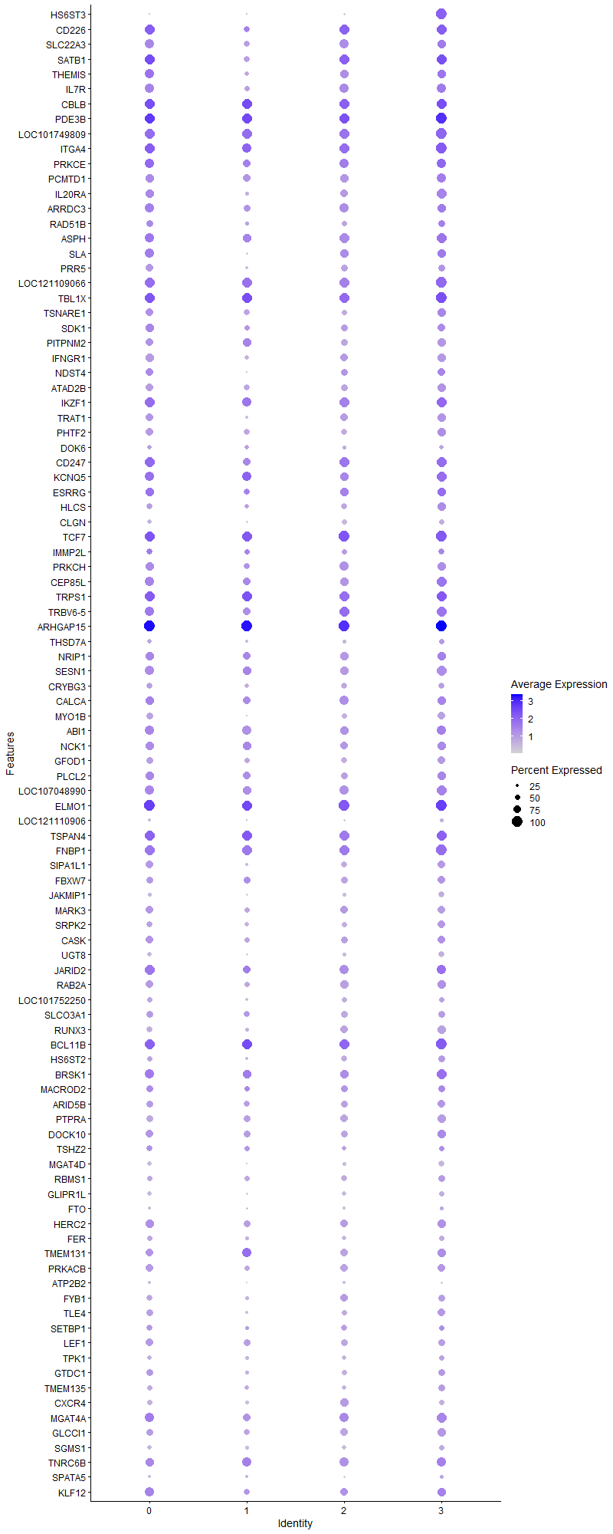
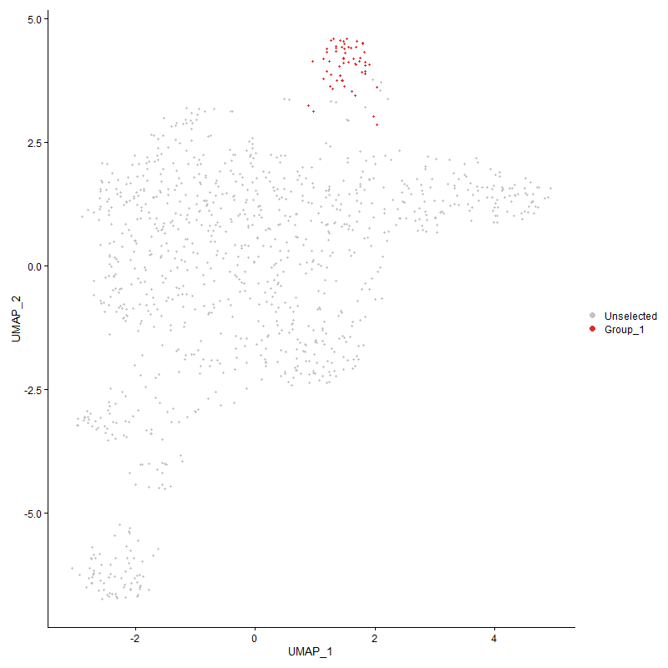
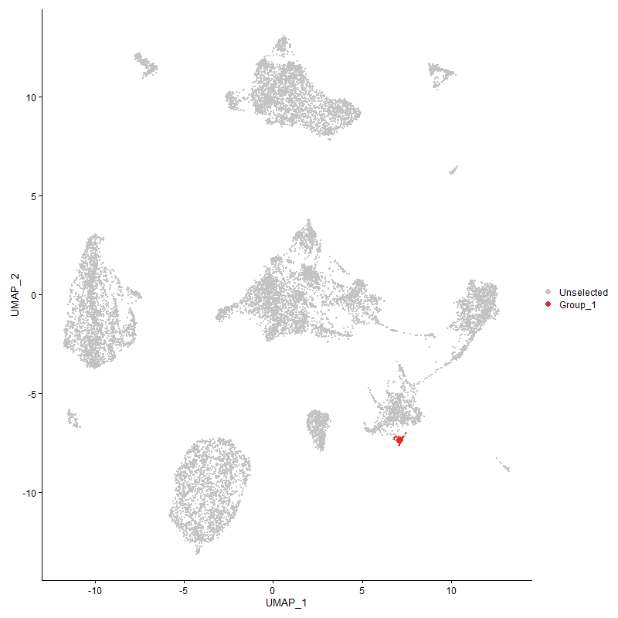
 | p_val | avg_log2FC | pct.1 | pct.2 | p_val_adj | cluster | gene
HS6ST3 | 6.0708808105E-134 | 2.4959302944 | 1 | 0.092 | 9.2708420857E-130 | 3 | HS6ST3
CD2263 | 1.8204374684E-68 | 2.3045653464 | 0.983 | 0.181 | 2.779990058E-64 | 3 | CD226
SLC22A33 | 9.5480058974E-28 | 1.4824272891 | 0.828 | 0.267 | 1.4580759806E-23 | 3 | SLC22A3
SATB12 | 1.5154217545E-23 | 1.4442855748 | 0.983 | 0.448 | 2.3142005614E-19 | 3 | SATB1
THEMIS2 | 8.7752411629E-21 | 1.3535141681 | 0.828 | 0.311 | 1.340067078E-16 | 3 | THEMIS
IL7R3 | 1.1813200164E-23 | 1.3482243222 | 0.879 | 0.348 | 1.8039937971E-19 | 3 | IL7R
CBLB3 | 6.7054422102E-19 | 1.2913262041 | 0.983 | 0.675 | 1.0239880799E-14 | 3 | CBLB
PDE3B3 | 1.0726943472E-22 | 1.2604865706 | 1 | 0.801 | 1.6381115376E-18 | 3 | PDE3B
LOC1017498093 | 4.6798750348E-20 | 1.1696817696 | 1 | 0.556 | 7.1466371657E-16 | 3 | LOC101749809
ITGA43 | 4.2841658456E-23 | 1.15157991 | 1 | 0.793 | 6.5423496628E-19 | 3 | ITGA4
PRKCE3 | 3.9118452791E-14 | 1.1186828815 | 0.879 | 0.572 | 5.9737789256E-10 | 3 | PRKCE
PCMTD13 | 1.8317367275E-16 | 1.1117576546 | 0.879 | 0.513 | 2.7972451565E-12 | 3 | PCMTD1
IL20RA2 | 2.6323212954E-24 | 1.111141488 | 0.948 | 0.362 | 4.0198178501E-20 | 3 | IL20RA
ARRDC33 | 2.3167925527E-11 | 1.1060526625 | 0.828 | 0.515 | 3.5379739072E-07 | 3 | ARRDC3
RAD51B1 | 5.3558601616E-07 | 1.0714280156 | 0.621 | 0.362 | 0.0081789340528 | 3 | RAD51B
ASPH3 | 4.0608675783E-17 | 1.0560363004 | 0.948 | 0.509 | 6.2013508789E-13 | 3 | ASPH
SLA2 | 9.3318098895E-13 | 1.0541813772 | 0.828 | 0.488 | 1.4250606882E-08 | 3 | SLA
PRR52 | 2.5122944568E-13 | 1.0451544113 | 0.638 | 0.284 | 3.836524865E-09 | 3 | PRR5
LOC1211090663 | 1.7936911927E-17 | 0.98116028865 | 1 | 0.692 | 2.7391458204E-13 | 3 | LOC121109066
TBL1X3 | 1.1384033159E-15 | 0.95905061403 | 1 | 0.815 | 1.7384557037E-11 | 3 | TBL1X
TSNARE11 | 1.2890704333E-13 | 0.95593120612 | 0.776 | 0.366 | 1.9685394587E-09 | 3 | TSNARE1
SDK13 | 6.5565231818E-13 | 0.95543340031 | 0.724 | 0.327 | 1.0012466551E-08 | 3 | SDK1
PITPNM23 | 1.0920801238E-19 | 0.94695649583 | 0.793 | 0.296 | 1.667715557E-15 | 3 | PITPNM2
IFNGR13 | 1.8962089328E-21 | 0.92952161411 | 0.828 | 0.325 | 2.8957006614E-17 | 3 | IFNGR1
NDST42 | 1.1036944257E-13 | 0.92418900175 | 0.724 | 0.29 | 1.6854517575E-09 | 3 | NDST4
ATAD2B3 | 5.9229752515E-18 | 0.92371033539 | 0.845 | 0.382 | 9.0449755065E-14 | 3 | ATAD2B
IKZF12 | 1.517210127E-12 | 0.91449905615 | 0.931 | 0.74 | 2.3169315849E-08 | 3 | IKZF1
TRAT12 | 2.0565212461E-17 | 0.90297663497 | 0.793 | 0.3 | 3.140513595E-13 | 3 | TRAT1
PHTF21 | 1.6863596521E-13 | 0.88829981479 | 0.828 | 0.46 | 2.5752398247E-09 | 3 | PHTF2
DOK63 | 5.8414859234E-22 | 0.88279914258 | 0.448 | 0.087 | 8.9205331537E-18 | 3 | DOK6
CD2472 | 2.5796986488E-12 | 0.87194386676 | 0.966 | 0.559 | 3.9394578066E-08 | 3 | CD247
KCNQ53 | 1.5646796816E-10 | 0.86729987624 | 0.931 | 0.61 | 2.3894223418E-06 | 3 | KCNQ5
ESRRG3 | 2.7835536701E-08 | 0.85839673775 | 0.81 | 0.512 | 0.00042507648096 | 3 | ESRRG
HLCS2 | 3.0933905675E-12 | 0.85554570619 | 0.81 | 0.374 | 4.7239167357E-08 | 3 | HLCS
CLGN3 | 1.1064444544E-40 | 0.83684003335 | 0.534 | 0.075 | 1.6896513263E-36 | 3 | CLGN
TCF73 | 9.0184254267E-14 | 0.83301378427 | 1 | 0.529 | 1.3772037469E-09 | 3 | TCF7
IMMP2L2 | 5.362769826E-08 | 0.82801703823 | 0.569 | 0.281 | 0.00081894858013 | 3 | IMMP2L
PRKCH3 | 8.4105731401E-20 | 0.82771533356 | 0.776 | 0.252 | 1.2843786242E-15 | 3 | PRKCH
CEP85L2 | 1.2449127731E-12 | 0.80267424936 | 0.983 | 0.687 | 1.9011062957E-08 | 3 | CEP85L
TRPS12 | 5.4463797379E-09 | 0.80177200081 | 0.931 | 0.736 | 8.3171664978E-05 | 3 | TRPS1
TRBV6-52 | 2.2277468715E-12 | 0.80051920583 | 0.948 | 0.6 | 3.4019922475E-08 | 3 | TRBV6-5
ARHGAP152 | 6.666762905E-17 | 0.79582601602 | 1 | 0.983 | 1.0180813632E-12 | 3 | ARHGAP15
THSD7A1 | 3.9654295679E-11 | 0.78640044155 | 0.534 | 0.185 | 6.0556074932E-07 | 3 | THSD7A
NRIP12 | 2.4198983011E-08 | 0.77445611375 | 0.845 | 0.512 | 0.00036954266957 | 3 | NRIP1
SESN13 | 2.7037644302E-15 | 0.76505830681 | 0.931 | 0.449 | 4.1289186614E-11 | 3 | SESN1
CRYBG33 | 9.0878746131E-07 | 0.7557100499 | 0.569 | 0.306 | 0.013878093322 | 3 | CRYBG3
CALCA3 | 5.1452856266E-08 | 0.75065562752 | 0.776 | 0.537 | 0.00078573656804 | 3 | CALCA
MYO1B2 | 6.6159856335E-18 | 0.7506150715 | 0.672 | 0.223 | 1.0103271661E-13 | 3 | MYO1B
ABI13 | 9.9193625276E-11 | 0.74681009804 | 0.897 | 0.683 | 1.5147858516E-06 | 3 | ABI1
NCK13 | 1.1642830762E-08 | 0.74376704532 | 0.793 | 0.491 | 0.00017779766856 | 3 | NCK1
GFOD12 | 9.9633747958E-11 | 0.73341742669 | 0.707 | 0.363 | 1.5215069651E-06 | 3 | GFOD1
PLCL22 | 3.1714560865E-08 | 0.72730153506 | 0.793 | 0.537 | 0.00048431305897 | 3 | PLCL2
LOC1070489903 | 7.1424634971E-14 | 0.7242310587 | 0.966 | 0.614 | 1.0907256006E-09 | 3 | LOC107048990
ELMO12 | 1.2741596794E-11 | 0.71962176273 | 1 | 0.917 | 1.9457692464E-07 | 3 | ELMO1
LOC1211109063 | 3.8312819931E-22 | 0.71627984607 | 0.345 | 0.055 | 5.8507507317E-18 | 3 | LOC121110906
TSPAN42 | 9.2202883239E-09 | 0.71036885228 | 0.966 | 0.785 | 0.00014080302299 | 3 | TSPAN4
FNBP13 | 9.0433473296E-10 | 0.70764094389 | 1 | 0.782 | 1.3810095707E-05 | 3 | FNBP1
SIPA1L11 | 1.7649858692E-12 | 0.70247682347 | 0.741 | 0.347 | 2.6953099209E-08 | 3 | SIPA1L1
FBXW73 | 1.7361939455E-10 | 0.69387324879 | 0.759 | 0.363 | 2.6513417742E-06 | 3 | FBXW7
JAKMIP12 | 1.2031013149E-20 | 0.69364423195 | 0.552 | 0.136 | 1.837256018E-16 | 3 | JAKMIP1
MARK33 | 1.3694361932E-11 | 0.69167842564 | 0.741 | 0.353 | 2.0912660107E-07 | 3 | MARK3
SRPK21 | 7.0342285251E-12 | 0.68955005467 | 0.759 | 0.345 | 1.0741970381E-07 | 3 | SRPK2
CASK2 | 1.2898726648E-06 | 0.68868732236 | 0.741 | 0.457 | 0.019697645464 | 3 | CASK
UGT82 | 5.8059862492E-24 | 0.68538854064 | 0.552 | 0.121 | 8.8663216011E-20 | 3 | UGT8
JARID22 | 4.2800817046E-10 | 0.68081047947 | 0.897 | 0.794 | 6.536112771E-06 | 3 | JARID2
RAB2A2 | 4.1393968065E-08 | 0.67361684741 | 0.793 | 0.543 | 0.00063212728632 | 3 | RAB2A
LOC1017522502 | 7.2511311285E-09 | 0.66950632211 | 0.534 | 0.231 | 0.00011073202346 | 3 | LOC101752250
SLCO3A13 | 4.2788780043E-10 | 0.66927593588 | 0.69 | 0.324 | 6.5342746004E-06 | 3 | SLCO3A1
RUNX32 | 9.0874591715E-14 | 0.66547978662 | 0.793 | 0.339 | 1.3877458901E-09 | 3 | RUNX3
BCL11B3 | 4.7134341156E-08 | 0.6637149855 | 1 | 0.627 | 0.00071978852379 | 3 | BCL11B
HS6ST22 | 1.5369320701E-07 | 0.66169591238 | 0.638 | 0.338 | 0.0023470489642 | 3 | HS6ST2
BRSK12 | 1.1864952285E-08 | 0.65862566951 | 0.897 | 0.566 | 0.00018118968634 | 3 | BRSK1
MACROD23 | 1.1778215293E-05 | 0.65801579675 | 0.655 | 0.407 | 0.17986512574 | 3 | MACROD2
ARID5B3 | 1.0562305438E-08 | 0.64915306242 | 0.724 | 0.375 | 0.00016129696634 | 3 | ARID5B
PTPRA3 | 2.257142998E-11 | 0.64892274475 | 0.793 | 0.381 | 3.4468830722E-07 | 3 | PTPRA
DOCK101 | 5.0043293766E-07 | 0.64763912857 | 0.828 | 0.587 | 0.007642111391 | 3 | DOCK10
TSHZ23 | 1.2906707434E-05 | 0.64708826895 | 0.534 | 0.297 | 0.19709832923 | 3 | TSHZ2
MGAT4D2 | 2.4945887787E-56 | 0.64587323576 | 0.586 | 0.064 | 3.8094865239E-52 | 3 | MGAT4D
RBMS12 | 6.4050845009E-05 | 0.64363349711 | 0.603 | 0.392 | 0.97812045413 | 3 | RBMS1
GLIPR1L2 | 2.1553989414E-10 | 0.6371545183 | 0.466 | 0.169 | 3.2915097234E-06 | 3 | GLIPR1L
FTO | 2.7276564258E-05 | 0.6313660386 | 0.345 | 0.16 | 0.41654041278 | 3 | FTO
HERC22 | 1.3020929556E-08 | 0.6283100339 | 0.828 | 0.505 | 0.00019884261525 | 3 | HERC2
FER3 | 1.9819142496E-09 | 0.62095828699 | 0.534 | 0.221 | 3.0265812506E-05 | 3 | FER
TMEM1312 | 2.0352207394E-07 | 0.62051830484 | 0.828 | 0.529 | 0.0031079855912 | 3 | TMEM131
PRKACB2 | 6.0937147329E-06 | 0.60700996953 | 0.741 | 0.479 | 0.093057117686 | 3 | PRKACB
ATP2B22 | 2.01814109E-22 | 0.60671572801 | 0.224 | 0.024 | 3.0819032585E-18 | 3 | ATP2B2
FYB12 | 1.2563817485E-06 | 0.60662886501 | 0.621 | 0.354 | 0.019186205681 | 3 | FYB1
TLE41 | 7.1699025173E-08 | 0.60566227495 | 0.724 | 0.403 | 0.0010949158134 | 3 | TLE4
SETBP11 | 0.0055486324912 | 0.60168860658 | 0.517 | 0.364 | 1 | 3 | SETBP1
LEF13 | 6.9000471963E-07 | 0.60029822887 | 0.655 | 0.337 | 0.010537062073 | 3 | LEF1
TPK11 | 5.9364501886E-06 | 0.59097739827 | 0.5 | 0.276 | 0.09065553083 | 3 | TPK1
GTDC11 | 6.8979898099E-06 | 0.58998869234 | 0.655 | 0.369 | 0.10533920239 | 3 | GTDC1
TMEM1351 | 2.2060331423E-06 | 0.58606641434 | 0.638 | 0.394 | 0.033688332116 | 3 | TMEM135
CXCR42 | 7.6521793472E-08 | 0.58391914863 | 0.483 | 0.215 | 0.0011685643081 | 3 | CXCR4
MGAT4A3 | 4.8938547707E-10 | 0.58289826365 | 0.966 | 0.577 | 7.4734056203E-06 | 3 | MGAT4A
GLCCI13 | 9.2654853829E-09 | 0.57715108339 | 0.793 | 0.431 | 0.00014149322728 | 3 | GLCCI1
SGMS11 | 3.7063976676E-05 | 0.57617339084 | 0.517 | 0.295 | 0.56600398782 | 3 | SGMS1
TNRC6B2 | 4.5565931502E-06 | 0.57444670645 | 0.897 | 0.705 | 0.069583733997 | 3 | TNRC6B
SPATA51 | 0.0017784447262 | 0.57436152553 | 0.379 | 0.23 | 1 | 3 | SPATA5
KLF121 | 7.5312385244E-07 | 0.57358909044 | 0.828 | 0.555 | 0.011500954351 | 3 | KLF12
GAK2 | 0.0026632766665 | 0.57084430354 | 0.534 | 0.38 | 1 | 3 | GAK
UBAC22 | 4.2067256207E-07 | 0.56681016303 | 0.638 | 0.354 | 0.0064240906954 | 3 | UBAC2
ETS22 | 4.8606370296E-09 | 0.56544137037 | 0.621 | 0.288 | 7.4226788078E-05 | 3 | ETS2
MBOAT13 | 1.1938993748E-05 | 0.56435147116 | 0.81 | 0.535 | 0.18232037352 | 3 | MBOAT1
LOC7762753 | 0.0028770561833 | 0.56315049466 | 0.224 | 0.112 | 1 | 3 | LOC776275
LDLRAD42 | 9.813713791E-06 | 0.56112859156 | 0.69 | 0.434 | 0.1498652233 | 3 | LDLRAD4
LPIN22 | 2.4215208645E-08 | 0.56059392159 | 0.638 | 0.321 | 0.00036979045122 | 3 | LPIN2
KIF16B3 | 1.8489944558E-11 | 0.55886892818 | 0.724 | 0.306 | 2.8235994335E-07 | 3 | KIF16B
PPP1R12A2 | 2.8668569715E-05 | 0.55683325143 | 0.914 | 0.817 | 0.43779772812 | 3 | PPP1R12A
CDIN12 | 2.1398543107E-06 | 0.55025441782 | 0.328 | 0.127 | 0.032677715179 | 3 | CDIN1
LOC7720711 | 1.2380867544E-09 | 0.54653147373 | 0.621 | 0.286 | 1.8906822826E-05 | 3 | LOC772071
NCOA22 | 3.6686316008E-06 | 0.5452255307 | 0.862 | 0.629 | 0.056023673176 | 3 | NCOA2
CDK5RAP22 | 1.4904104206E-07 | 0.54443421507 | 0.621 | 0.315 | 0.0022760057532 | 3 | CDK5RAP2
NFATC11 | 4.7931786333E-07 | 0.54286318977 | 0.586 | 0.298 | 0.0073196630909 | 3 | NFATC1
CDKAL12 | 8.0856287324E-06 | 0.54193968433 | 0.828 | 0.631 | 0.12347563637 | 3 | CDKAL1
FOXO12 | 2.2383941063E-08 | 0.53881557445 | 1 | 0.684 | 0.00034182516397 | 3 | FOXO1
ZMYND112 | 1.9800930122E-05 | 0.53782921678 | 0.776 | 0.549 | 0.30238000389 | 3 | ZMYND11
LRBA2 | 1.1916452367E-05 | 0.5375508812 | 1 | 0.793 | 0.18197614409 | 3 | LRBA
VTI1A2 | 0.004927347469 | 0.53751110129 | 0.552 | 0.454 | 1 | 3 | VTI1A
PAN32 | 5.7005401612E-05 | 0.53322874126 | 0.759 | 0.574 | 0.87052948801 | 3 | PAN3
DAPK23 | 1.9618252256E-18 | 0.5322295134 | 0.517 | 0.129 | 2.995903302E-14 | 3 | DAPK2
MAPRE22 | 0.00013923494553 | 0.52944667097 | 0.621 | 0.415 | 1 | 3 | MAPRE2
CAMKMT | 0.14895689393 | 0.52895390784 | 0.138 | 0.091 | 1 | 3 | CAMKMT
STXBP52 | 0.0027446920042 | 0.52603297321 | 0.69 | 0.583 | 1 | 3 | STXBP5
LOC1244183572 | 2.2528250764E-05 | 0.52323786554 | 0.603 | 0.355 | 0.34402891742 | 3 | LOC124418357
ABCG13 | 1.2727596268E-07 | 0.52228405633 | 0.586 | 0.286 | 0.0019436312261 | 3 | ABCG1
GNB41 | 3.2574819624E-06 | 0.52133867149 | 0.741 | 0.503 | 0.049745007048 | 3 | GNB4
CDYL | 0.00029529724543 | 0.52122361495 | 0.345 | 0.179 | 1 | 3 | CDYL
TARP2 | 3.3703981827E-10 | 0.51958003699 | 0.724 | 0.287 | 5.1469350649E-06 | 3 | TARP
P2RY83 | 3.2466423512E-06 | 0.51748536258 | 0.897 | 0.718 | 0.049579475345 | 3 | P2RY8
CD8A2 | 6.1537960781E-28 | 0.51704246792 | 0.448 | 0.072 | 9.3974619909E-24 | 3 | CD8A
LOC1070541122 | 9.8526052846E-25 | 0.51678292219 | 0.138 | 0.009 | 1.504591353E-20 | 3 | LOC107054112
PDE7B3 | 8.4004420525E-11 | 0.51549176004 | 0.914 | 0.447 | 1.2828315058E-06 | 3 | PDE7B
MTHFD1L | 0.0006839088175 | 0.51257743061 | 0.345 | 0.177 | 1 | 3 | MTHFD1L
ARHGEF32 | 3.2390504062E-07 | 0.51181951144 | 0.983 | 0.65 | 0.0049463538753 | 3 | ARHGEF3
...

