Clustered cells
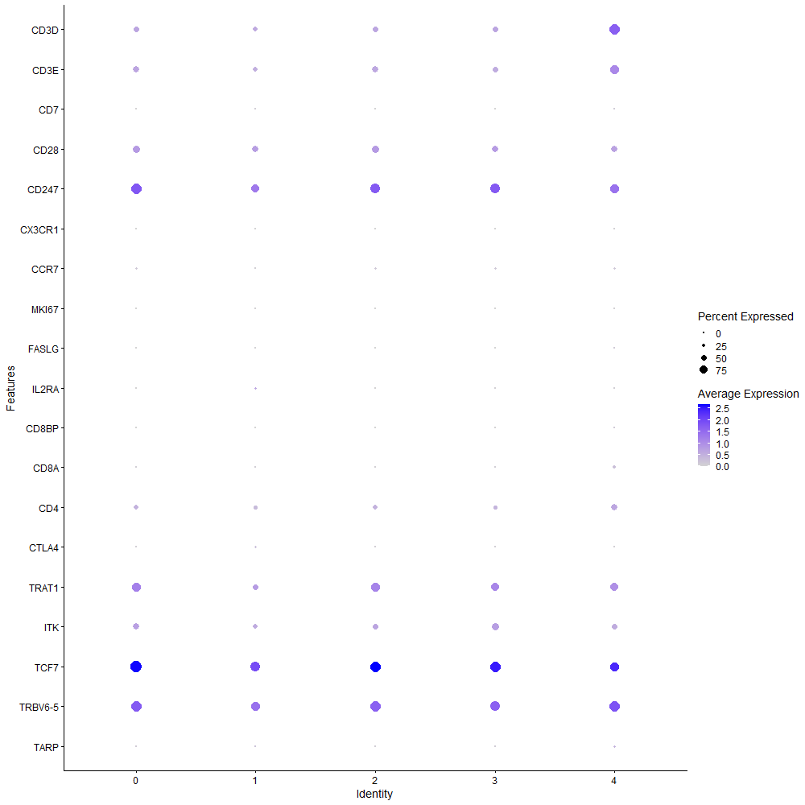
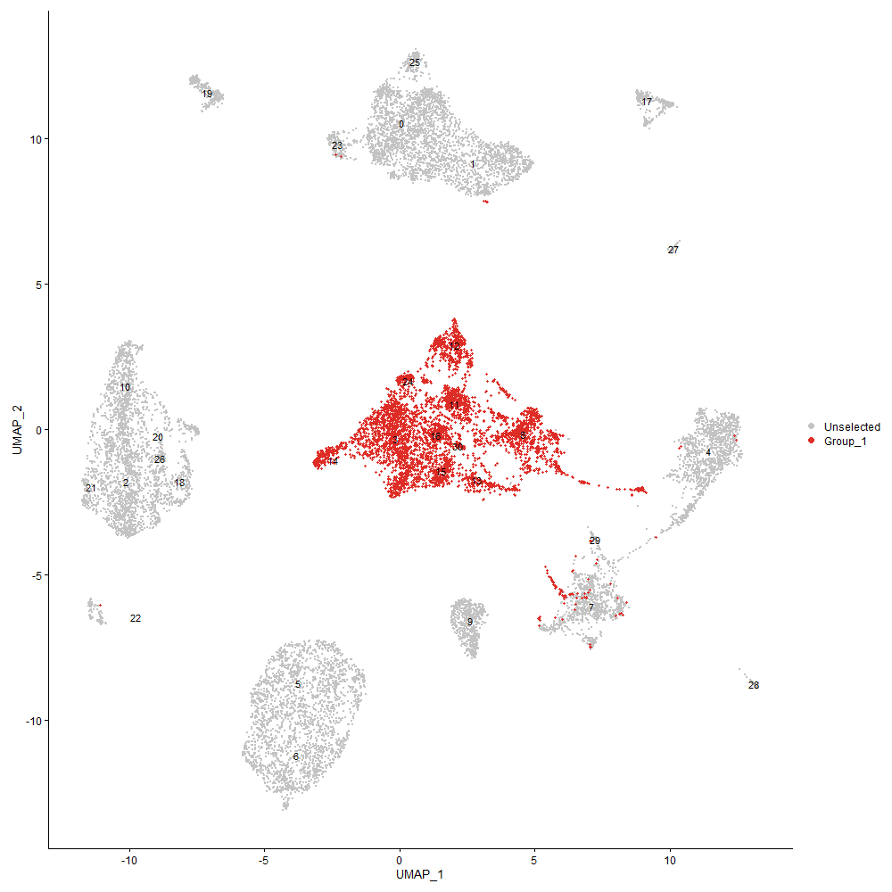
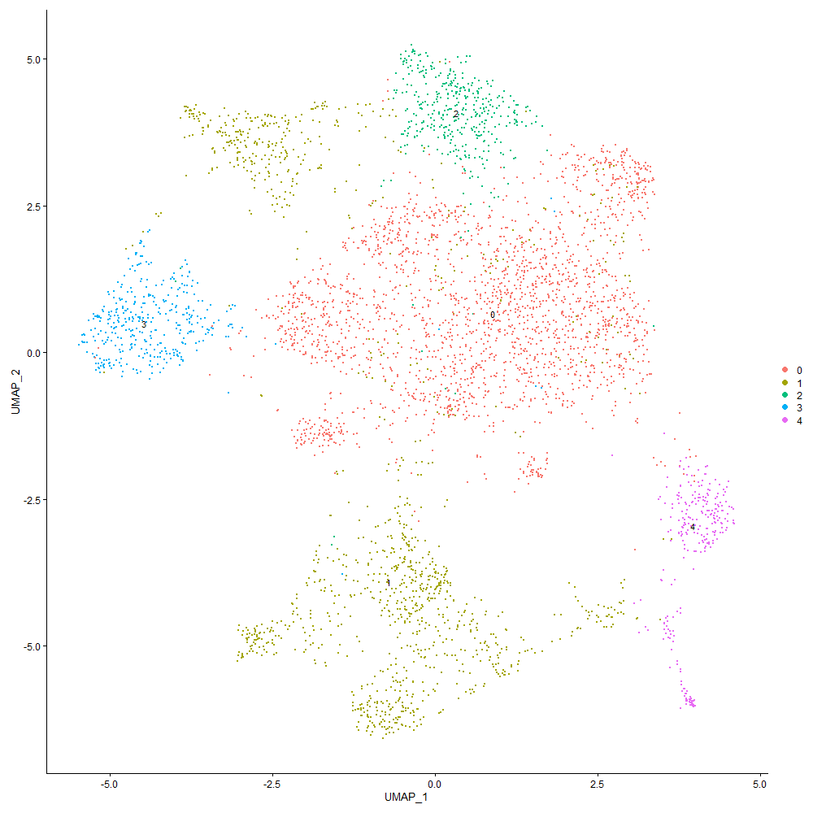
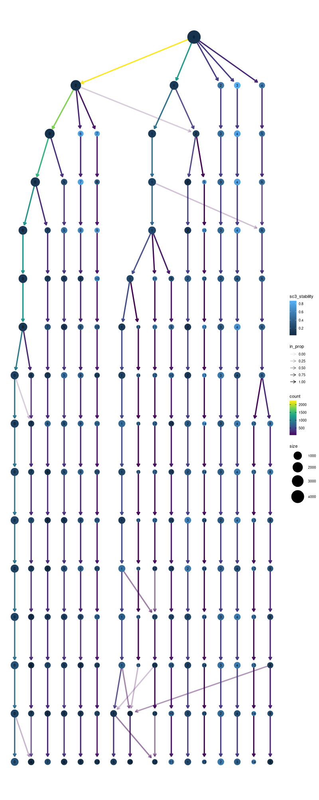

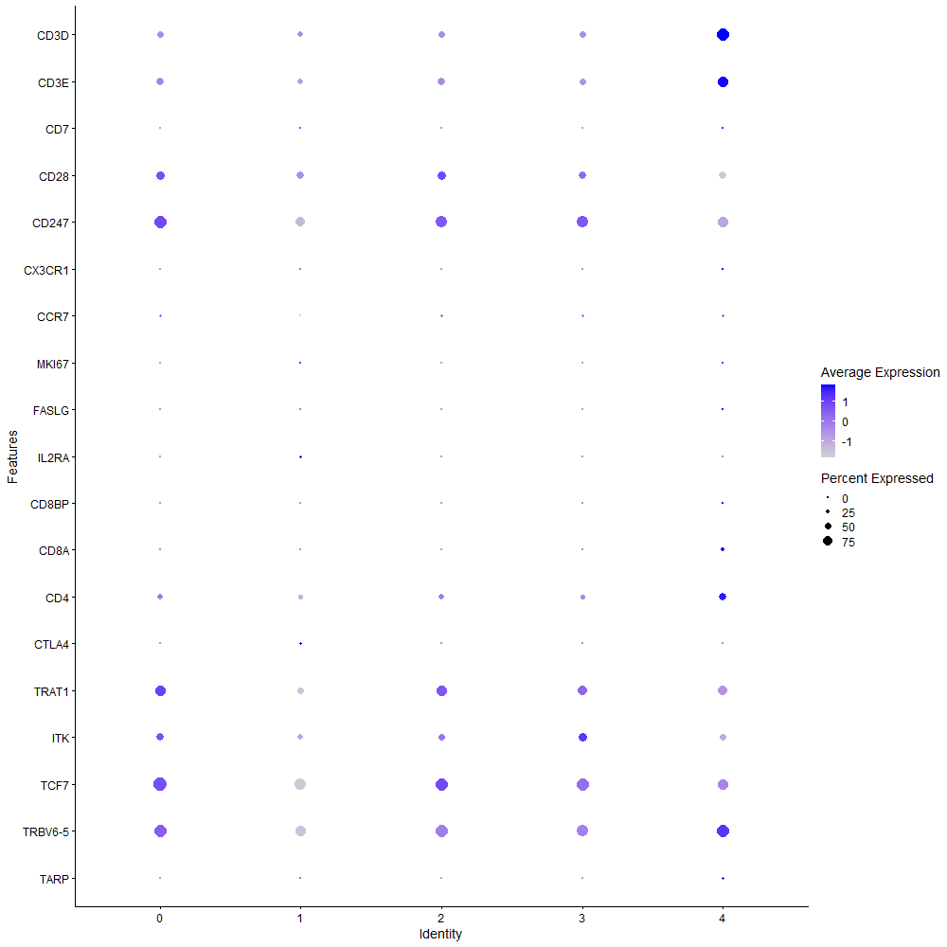
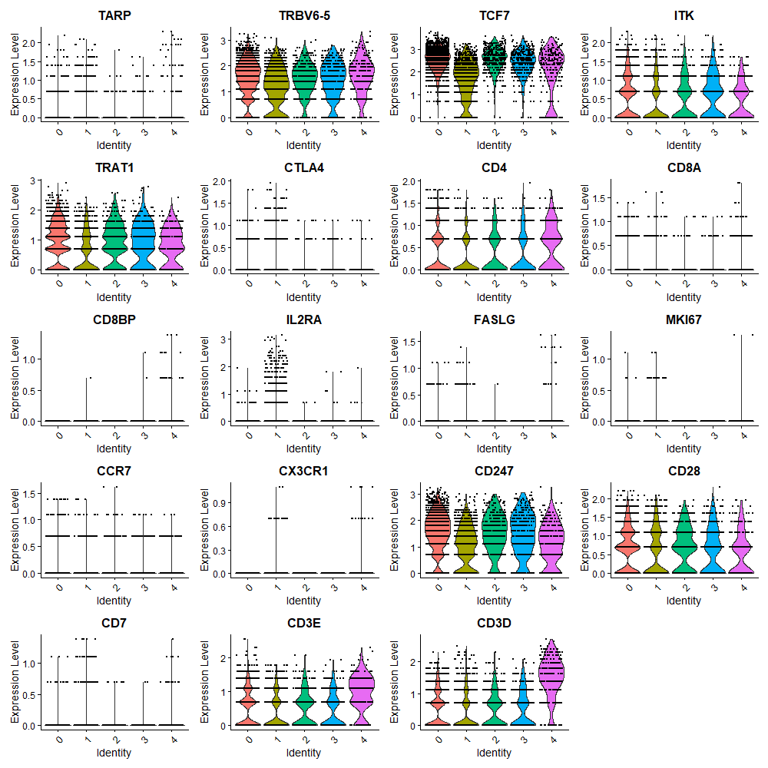

Cluster0
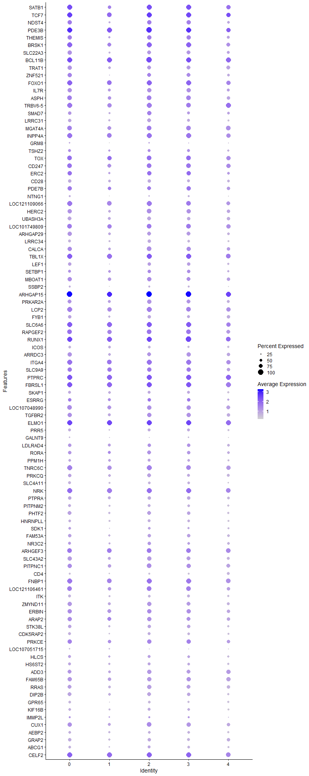
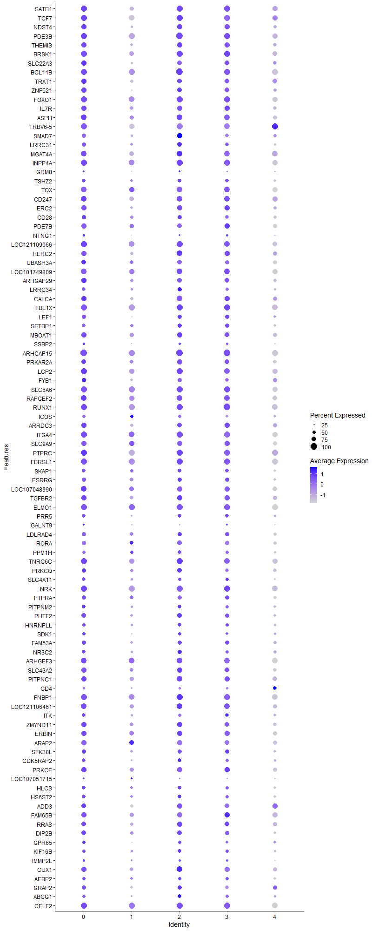
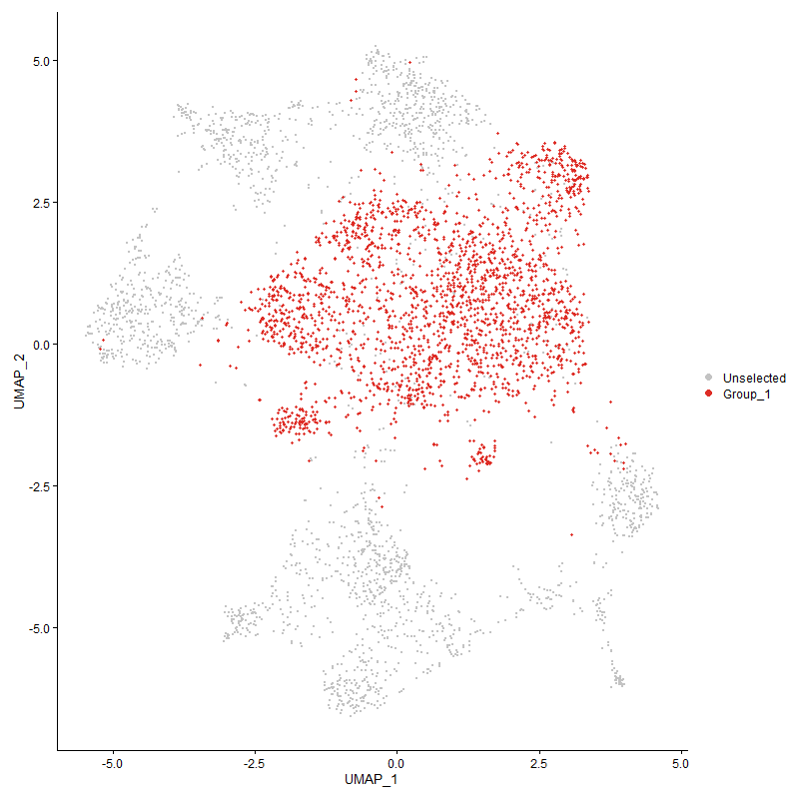
 | p_val | avg_log2FC | pct.1 | pct.2 | p_val_adj | cluster | gene
SATB1 | 0 | 1.8472816562 | 0.989 | 0.369 | 0 | 0 | SATB1 | special AT-rich sequence-binding protein-1 | transcription regulation 10.1080/19491034.2020.1775037
TCF7 | 0 | 1.8202186978 | 0.999 | 0.46 | 0 | 0 | TCF7 | Transcription factor 7 | T-cell differentiation => Th2 or memory Tcells
NDST4 | 0 | 1.5366344832 | 0.82 | 0.212 | 0 | 0 | NDST4 | N-Deacetylase And N-Sulfotransferase 4
PDE3B | 0 | 1.4213430866 | 0.999 | 0.772 | 0 | 0 | PDE3B | Phosphodiesterase 3 | regulation of activation? 10.3390/genes10090718
THEMIS | 0 | 1.3866526406 | 0.851 | 0.232 | 0 | 0 | THEMIS | Thymocyte Selection Associated | T cell specific protein important for late thymocyte development https://doi.org/10.1038/ni0110-97d
BRSK1 | 0 | 1.2376715501 | 0.958 | 0.508 | 0 | 0 | BRSK1 | BR serine/threonine kinase 1 |  | T Cell Receptor Associated Transmembrane Adaptor 1
SLC22A3 | 0 | 1.1829340097 | 0.787 | 0.191 | 0 | 0 | SLC22A3 | Solute carrier family 22 member 3
BCL11B | 0 | 1.1405281583 | 0.993 | 0.574 | 0 | 0 | BCL11B | B-cell lymphoma/leukemia 11B | T-lineage regulatory factor 10.3389/fimmu.2021.669498
TRAT1 | 0 | 1.1217774269 | 0.803 | 0.226 | 0 | 0 | TRAT1
ZNF521 | 0 | 1.0543221362 | 0.798 | 0.292 | 0 | 0 | ZNF521
FOXO1 | 0 | 1.0428846058 | 0.957 | 0.644 | 0 | 0 | FOXO1 | Forkhead box protein O1 | T-cell regulation 10.1016/j.coi.2020.02.001
IL7R | 0 | 1.0231835859 | 0.809 | 0.281 | 0 | 0 | IL7R
ASPH | 0 | 1.0211844141 | 0.886 | 0.454 | 0 | 0 | ASPH | Aspartyl/asparaginyl beta-hydroxylase
TRBV6-5 | 0 | 0.98295251704 | 0.93 | 0.552 | 0 | 0 | TRBV6-5 | T cell receptor beta variable 6-5
SMAD7 | 0 | 0.96001714938 | 0.641 | 0.251 | 0 | 0 | SMAD7 | Mothers against decapentaplegic homolog 7 | T-cell differentiation 10.1007/s00109-021-02083-1
LRRC31 | 0 | 0.94607248239 | 0.653 | 0.129 | 0 | 0 | LRRC31
MGAT4A | 0 | 0.94354173756 | 0.908 | 0.529 | 0 | 0 | MGAT4A
INPP4A | 0 | 0.92208200036 | 0.948 | 0.69 | 0 | 0 | INPP4A
GRM8 | 4.0886566653E-246 | 0.88619448609 | 0.276 | 0.061 | 6.2437875935E-242 | 0 | GRM8
TSHZ2 | 2.02443048E-252 | 0.88210195065 | 0.598 | 0.253 | 3.091507786E-248 | 0 | TSHZ2
TOX | 3.2945652467E-302 | 0.86912928402 | 0.871 | 0.471 | 5.0311305882E-298 | 0 | TOX
CD247 | 0 | 0.86570758409 | 0.921 | 0.506 | 0 | 0 | CD247 | CD3z
ERC2 | 0 | 0.85735431717 | 0.816 | 0.325 | 0 | 0 | ERC2
CD28 | 0 | 0.84609116681 | 0.667 | 0.139 | 0 | 0 | CD28
PDE7B | 8.9896319775E-292 | 0.84376805033 | 0.803 | 0.396 | 1.3728066993E-287 | 0 | PDE7B
NTNG1 | 0 | 0.81472026466 | 0.401 | 0.085 | 0 | 0 | NTNG1
LOC121109066 | 7.0187368422E-277 | 0.75470972514 | 0.935 | 0.657 | 1.0718313032E-272 | 0 | LOC121109066 | uncharacterized
HERC2 | 0 | 0.75306539904 | 0.829 | 0.457 | 0 | 0 | HERC2
UBASH3A | 0 | 0.73983129405 | 0.721 | 0.268 | 0 | 0 | UBASH3A
LOC101749809 | 4.8492309182E-286 | 0.73413875134 | 0.916 | 0.504 | 7.4052605351E-282 | 0 | LOC101749809
ARHGAP29 | 0 | 0.73032956128 | 0.783 | 0.372 | 0 | 0 | ARHGAP29
LRRC34 | 0 | 0.72993339516 | 0.582 | 0.125 | 0 | 0 | LRRC34
CALCA | 1.5100464486E-219 | 0.72093869376 | 0.813 | 0.496 | 2.3059919317E-215 | 0 | CALCA
TBL1X | 2.1517319336E-247 | 0.71857299725 | 0.967 | 0.793 | 3.2859098358E-243 | 0 | TBL1X
LEF1 | 0 | 0.71654961201 | 0.697 | 0.284 | 0 | 0 | LEF1
SETBP1 | 9.6651476501E-172 | 0.71282423549 | 0.617 | 0.326 | 1.4759646976E-167 | 0 | SETBP1
MBOAT1 | 2.9871253465E-210 | 0.71121922945 | 0.792 | 0.498 | 4.5616391167E-206 | 0 | MBOAT1
SSBP2 | 3.2781651191E-246 | 0.70387556578 | 0.404 | 0.127 | 5.0060859534E-242 | 0 | SSBP2
ARHGAP15 | 0 | 0.70328827026 | 1 | 0.981 | 0 | 0 | ARHGAP15
PRKAR2A | 2.9468761078E-224 | 0.69392193772 | 0.764 | 0.44 | 4.5001745042E-220 | 0 | PRKAR2A
LCP2 | 7.5765104063E-260 | 0.67786589146 | 0.936 | 0.622 | 1.1570089041E-255 | 0 | LCP2
FYB1 | 1.5416585842E-269 | 0.67242762514 | 0.677 | 0.306 | 2.354266824E-265 | 0 | FYB1
SLC6A6 | 2.0340426463E-216 | 0.66915886776 | 0.979 | 0.871 | 3.1061865252E-212 | 0 | SLC6A6
RAPGEF2 | 3.9543678293E-299 | 0.66178959978 | 0.906 | 0.608 | 6.0387151121E-295 | 0 | RAPGEF2
RUNX1 | 5.7620409593E-268 | 0.65959645404 | 0.997 | 0.911 | 8.799212749E-264 | 0 | RUNX1
ICOS | 0 | 0.65857621426 | 0.494 | 0.108 | 0 | 0 | ICOS
ARRDC3 | 1.5865006936E-214 | 0.64724485785 | 0.781 | 0.476 | 2.4227452091E-210 | 0 | ARRDC3
ITGA4 | 8.2637909451E-249 | 0.64668454109 | 0.961 | 0.768 | 1.2619635152E-244 | 0 | ITGA4
SLC9A9 | 2.0700820671E-154 | 0.64321765534 | 0.823 | 0.607 | 3.1612223247E-150 | 0 | SLC9A9
PTPRC | 9.6183216063E-274 | 0.6371636623 | 0.995 | 0.942 | 1.4688138925E-269 | 0 | PTPRC
FBRSL1 | 3.1485903548E-271 | 0.63606347861 | 0.992 | 0.944 | 4.8082123308E-267 | 0 | FBRSL1
SKAP1 | 3.3319349329E-268 | 0.63071769491 | 0.594 | 0.239 | 5.0881978361E-264 | 0 | SKAP1
ESRRG | 1.1751747003E-94 | 0.62365132609 | 0.682 | 0.488 | 1.7946092848E-90 | 0 | ESRRG
LOC107048990 | 2.0259775763E-205 | 0.62176957618 | 0.851 | 0.579 | 3.0938703567E-201 | 0 | LOC107048990
TGFBR2 | 1.346204145E-171 | 0.612975726 | 0.804 | 0.539 | 2.0557883498E-167 | 0 | TGFBR2
ELMO1 | 6.3311439257E-243 | 0.61275949997 | 0.997 | 0.905 | 9.6682898889E-239 | 0 | ELMO1
PRR5 | 2.3569985223E-244 | 0.59792429823 | 0.573 | 0.241 | 3.5993724433E-240 | 0 | PRR5
GALNT9 | 4.2057031917E-190 | 0.59563705471 | 0.294 | 0.086 | 6.422529344E-186 | 0 | GALNT9
LDLRAD4 | 3.9761977407E-135 | 0.59448355518 | 0.654 | 0.402 | 6.0720515698E-131 | 0 | LDLRAD4
RORA | 2.5529284313E-235 | 0.59328115135 | 0.695 | 0.319 | 3.8985770075E-231 | 0 | RORA
PPM1H | 1.2595140319E-193 | 0.59221854241 | 0.531 | 0.229 | 1.9234038782E-189 | 0 | PPM1H
TNRC6C | 2.7909207526E-205 | 0.58657555939 | 0.931 | 0.733 | 4.2620150813E-201 | 0 | TNRC6C
PRKCQ | 1.2008696884E-207 | 0.58108695623 | 0.699 | 0.366 | 1.8338481012E-203 | 0 | PRKCQ
SLC4A11 | 7.9799794958E-277 | 0.58043093323 | 0.561 | 0.214 | 1.2186226688E-272 | 0 | SLC4A11
NRK | 9.9771285196E-218 | 0.57771952724 | 0.98 | 0.833 | 1.5236072962E-213 | 0 | NRK
PTPRA | 2.3551086452E-236 | 0.57214685254 | 0.689 | 0.337 | 3.5964864121E-232 | 0 | PTPRA
PITPNM2 | 7.030677243E-235 | 0.56953474785 | 0.595 | 0.253 | 1.0736547218E-230 | 0 | PITPNM2
PHTF2 | 1.3629839072E-190 | 0.56079415059 | 0.725 | 0.422 | 2.0814127246E-186 | 0 | PHTF2
HNRNPLL | 2.9907371035E-221 | 0.55888030115 | 0.544 | 0.231 | 4.5671546307E-217 | 0 | HNRNPLL
SDK1 | 1.1753674849E-127 | 0.55850860793 | 0.544 | 0.296 | 1.7949036862E-123 | 0 | SDK1
FAM53A | 2.8096690635E-146 | 0.55220655366 | 0.67 | 0.399 | 4.2906456269E-142 | 0 | FAM53A
NR3C2 | 3.5972485831E-108 | 0.54813845952 | 0.569 | 0.336 | 5.4933583113E-104 | 0 | NR3C2
ARHGEF3 | 7.3571787262E-173 | 0.54746896464 | 0.899 | 0.614 | 1.1235147633E-168 | 0 | ARHGEF3
SLC43A2 | 2.9374878311E-181 | 0.54605726942 | 0.781 | 0.504 | 4.4858376669E-177 | 0 | SLC43A2
PITPNC1 | 3.563794177E-153 | 0.5446545873 | 0.83 | 0.607 | 5.4422700878E-149 | 0 | PITPNC1
CD4 | 0 | 0.53865496932 | 0.413 | 0.073 | 0 | 0 | CD4
FNBP1 | 1.2560749026E-187 | 0.53774278619 | 0.95 | 0.757 | 1.9181519837E-183 | 0 | FNBP1
LOC121106461 | 3.2699005346E-156 | 0.5376272696 | 0.877 | 0.584 | 4.9934651065E-152 | 0 | LOC121106461
ITK | 1.3328731253E-233 | 0.53751237394 | 0.572 | 0.24 | 2.0354305497E-229 | 0 | ITK
ZMYND11 | 2.0635205646E-161 | 0.53294537213 | 0.786 | 0.514 | 3.1512022543E-157 | 0 | ZMYND11
ERBIN | 3.4786416295E-148 | 0.53138009741 | 0.825 | 0.598 | 5.3122336325E-144 | 0 | ERBIN
ARAP2 | 1.070854465E-169 | 0.53104297388 | 0.81 | 0.523 | 1.6353018534E-165 | 0 | ARAP2
STK38L | 1.0567027676E-166 | 0.52920903635 | 0.695 | 0.399 | 1.6136907963E-162 | 0 | STK38L
CDK5RAP2 | 2.7099552191E-186 | 0.52613660261 | 0.569 | 0.278 | 4.1383726151E-182 | 0 | CDK5RAP2
PRKCE | 1.7841113525E-142 | 0.52381384071 | 0.809 | 0.538 | 2.7245164463E-138 | 0 | PRKCE
LOC107051715 | 1.687078005E-244 | 0.52274788599 | 0.291 | 0.068 | 2.5763368214E-240 | 0 | LOC107051715
HLCS | 1.1492636156E-98 | 0.51855362712 | 0.569 | 0.346 | 1.7550404674E-94 | 0 | HLCS
HS6ST2 | 6.8617507357E-133 | 0.51712430043 | 0.562 | 0.306 | 1.0478579549E-128 | 0 | HS6ST2
ADD3 | 6.6104843268E-124 | 0.51420112975 | 0.751 | 0.537 | 1.0094870615E-119 | 0 | ADD3
FAM65B | 4.2224800124E-161 | 0.51338266348 | 0.827 | 0.549 | 6.448149227E-157 | 0 | FAM65B
RRAS | 4.6361710363E-152 | 0.51261211806 | 0.74 | 0.466 | 7.0798967895E-148 | 0 | RRAS
DIP2B | 6.0164440862E-192 | 0.51248802143 | 0.73 | 0.407 | 9.1877117641E-188 | 0 | DIP2B
GPR65 | 1.8906563352E-195 | 0.5109816191 | 0.514 | 0.227 | 2.8872212895E-191 | 0 | GPR65
KIF16B | 5.5592423225E-146 | 0.51053197227 | 0.53 | 0.274 | 8.4895189506E-142 | 0 | KIF16B
IMMP2L | 6.3948764093E-46 | 0.50885424633 | 0.403 | 0.264 | 9.7656157646E-42 | 0 | IMMP2L
CUX1 | 2.0283349007E-147 | 0.50610037564 | 0.831 | 0.589 | 3.0974702269E-143 | 0 | CUX1
AEBP2 | 3.7234975745E-154 | 0.5027545285 | 0.536 | 0.273 | 5.686153146E-150 | 0 | AEBP2
GRAP2 | 1.2505410737E-194 | 0.49809660937 | 0.642 | 0.313 | 1.9097012737E-190 | 0 | GRAP2
ABCG1 | 3.0225200971E-141 | 0.49755887487 | 0.502 | 0.255 | 4.6156904403E-137 | 0 | ABCG1
CELF2 | 1.4758262099E-146 | 0.4968082245 | 0.969 | 0.913 | 2.2537342051E-142 | 0 | CELF2
CBLB | 5.5122436537E-162 | 0.49668026343 | 0.893 | 0.643 | 8.4177472835E-158 | 0 | CBLB
RASA3 | 1.3704984264E-137 | 0.49471123752 | 0.972 | 0.862 | 2.092888147E-133 | 0 | RASA3
IL20RA | 7.560138975E-222 | 0.48991130345 | 0.697 | 0.314 | 1.1545088229E-217 | 0 | IL20RA
RASA1 | 3.2669820353E-189 | 0.48749348813 | 0.45 | 0.18 | 4.989008266E-185 | 0 | RASA1
CCNY | 1.9692090686E-109 | 0.48730181039 | 0.696 | 0.453 | 3.0071791687E-105 | 0 | CCNY
SLC24A3 | 6.2117972855E-158 | 0.48553031108 | 0.604 | 0.323 | 9.4860356347E-154 | 0 | SLC24A3
WWOX | 4.1675463759E-37 | 0.48316742151 | 0.483 | 0.356 | 6.3642600706E-33 | 0 | WWOX
MACROD2 | 3.3559796303E-63 | 0.48130185435 | 0.553 | 0.386 | 5.1249164935E-59 | 0 | MACROD2
KLF13 | 3.6064557832E-119 | 0.47733643093 | 0.775 | 0.558 | 5.5074186266E-115 | 0 | KLF13
SNRK | 1.9962362483E-149 | 0.47340769128 | 0.589 | 0.312 | 3.0484523748E-145 | 0 | SNRK
SESN1 | 6.3743865171E-157 | 0.47324829364 | 0.725 | 0.41 | 9.7343256502E-153 | 0 | SESN1
TXK | 5.705506021E-198 | 0.47303170452 | 0.617 | 0.29 | 8.7128782446E-194 | 0 | TXK
SOS1 | 4.1511364394E-195 | 0.47278521656 | 0.558 | 0.255 | 6.3392004565E-191 | 0 | SOS1
PDSS2 | 4.8844538954E-120 | 0.47115760843 | 0.44 | 0.22 | 7.4590495436E-116 | 0 | PDSS2
NCK1 | 8.3404098819E-134 | 0.46708720623 | 0.725 | 0.457 | 1.2736639931E-129 | 0 | NCK1
UGT8 | 5.6569527106E-297 | 0.46431658659 | 0.363 | 0.087 | 8.6387324843E-293 | 0 | UGT8
ARHGAP10 | 2.611515587E-166 | 0.46396450053 | 0.467 | 0.198 | 3.9880454529E-162 | 0 | ARHGAP10
LRBA | 8.8982244915E-126 | 0.46262376862 | 0.938 | 0.772 | 1.3588478621E-121 | 0 | LRBA
PPM1A | 3.7371566338E-174 | 0.46042296734 | 0.517 | 0.242 | 5.7070118955E-170 | 0 | PPM1A
CNTNAP2 | 9.5988181197E-87 | 0.46014658631 | 0.177 | 0.06 | 1.4658355151E-82 | 0 | CNTNAP2
MANBA | 2.4966368973E-136 | 0.45812822781 | 0.359 | 0.148 | 3.8126142059E-132 | 0 | MANBA
DAPK1 | 8.2529444312E-102 | 0.45536626237 | 0.845 | 0.677 | 1.2603071441E-97 | 0 | DAPK1
ANO10 | 4.4761133282E-90 | 0.45459272173 | 0.207 | 0.076 | 6.8354726635E-86 | 0 | ANO10
TSNARE1 | 2.238898614E-98 | 0.45391425827 | 0.568 | 0.337 | 3.4190220735E-94 | 0 | TSNARE1
NFKB1 | 1.4849220228E-96 | 0.45090017632 | 0.883 | 0.742 | 2.267624421E-92 | 0 | NFKB1
ITGA1 | 1.2502364823E-154 | 0.45003339982 | 0.503 | 0.237 | 1.9092361322E-150 | 0 | ITGA1
PPP1R12A | 2.0457224005E-128 | 0.4482910285 | 0.921 | 0.802 | 3.1240226778E-124 | 0 | PPP1R12A
LOC121113203 | 0 | 0.44788316516 | 0.328 | 0.066 | 0 | 0 | LOC121113203
TNS3 | 1.1389875758E-142 | 0.44691500516 | 0.493 | 0.243 | 1.739347927E-138 | 0 | TNS3
IKZF1 | 3.0750196985E-108 | 0.44665744925 | 0.89 | 0.718 | 4.6958625816E-104 | 0 | IKZF1
LOC101752250 | 2.8183092704E-101 | 0.4455790038 | 0.408 | 0.206 | 4.3038400868E-97 | 0 | LOC101752250
NRP1 | 7.6236894612E-178 | 0.44037964492 | 0.353 | 0.119 | 1.1642136176E-173 | 0 | NRP1
BCL2 | 1.9474488411E-15 | 0.44027749508 | 0.478 | 0.413 | 2.9739491253E-11 | 0 | BCL2
BTG1 | 2.4675133384E-118 | 0.44021740223 | 0.846 | 0.669 | 3.7681396191E-114 | 0 | BTG1
SMCHD1 | 8.8902672261E-118 | 0.43883334856 | 0.739 | 0.511 | 1.3576327081E-113 | 0 | SMCHD1
P2RY8 | 2.1784484015E-99 | 0.43804494529 | 0.885 | 0.693 | 3.3267085539E-95 | 0 | P2RY8
PLCL2 | 1.3690981928E-91 | 0.43700456745 | 0.713 | 0.511 | 2.0907498503E-87 | 0 | PLCL2
ABI1 | 2.7385141748E-113 | 0.43548673152 | 0.855 | 0.658 | 4.1819849963E-109 | 0 | ABI1
SLA | 2.2552331841E-95 | 0.4314738865 | 0.706 | 0.457 | 3.4439665955E-91 | 0 | SLA
SYNE1 | 5.1479414084E-122 | 0.43023035367 | 0.946 | 0.742 | 7.8614213248E-118 | 0 | SYNE1
CEP85L | 4.7120398002E-96 | 0.427809838 | 0.842 | 0.665 | 7.1957559789E-92 | 0 | CEP85L
APBB1IP | 4.8324350279E-90 | 0.42719657237 | 0.806 | 0.634 | 7.3796115311E-86 | 0 | APBB1IP
PHACTR2 | 1.1757589331E-113 | 0.42445741714 | 0.479 | 0.25 | 1.7955014667E-109 | 0 | PHACTR2
RAPH1 | 1.3721525561E-89 | 0.4207402643 | 0.293 | 0.132 | 2.0954141684E-85 | 0 | RAPH1
PLXNB2 | 3.9127296074E-194 | 0.41940233041 | 0.227 | 0.05 | 5.9751293834E-190 | 0 | PLXNB2
SLC9A7 | 4.6889855304E-124 | 0.41896859664 | 0.578 | 0.321 | 7.1605498035E-120 | 0 | SLC9A7
DPEP2 | 1.7284032827E-293 | 0.41739780678 | 0.287 | 0.055 | 2.639444653E-289 | 0 | DPEP2
DOCK2 | 2.7885577518E-116 | 0.4159556995 | 0.963 | 0.869 | 4.2584065428E-112 | 0 | DOCK2
KLF12 | 9.8941676315E-140 | 0.41564841951 | 0.835 | 0.514 | 1.510938339E-135 | 0 | KLF12
SLCO3A1 | 2.5066170456E-135 | 0.41236961025 | 0.565 | 0.289 | 3.8278548903E-131 | 0 | SLCO3A1
LOC107052984 | 0 | 0.41177462289 | 0.23 | 0.024 | 0 | 0 | LOC107052984
MYC | 2.5732955722E-173 | 0.41052895533 | 0.47 | 0.201 | 3.9296796683E-169 | 0 | MYC
EXTL3 | 2.0585388118E-135 | 0.40955647642 | 0.54 | 0.28 | 3.1435946195E-131 | 0 | EXTL3
PCGF5 | 5.0064212535E-121 | 0.40893355294 | 0.491 | 0.259 | 7.6453058962E-117 | 0 | PCGF5
PARK2 | 2.8163558507E-19 | 0.40860668023 | 0.242 | 0.172 | 4.3008570196E-15 | 0 | PARK2
TSPAN18 | 1.2640801755E-270 | 0.40337597368 | 0.315 | 0.071 | 1.9303768359E-266 | 0 | TSPAN18
ZNF704 | 1.7556555624E-105 | 0.39207827652 | 0.551 | 0.314 | 2.6810616093E-101 | 0 | ZNF704
ZNRF2 | 6.0987750678E-84 | 0.39118477047 | 0.826 | 0.647 | 9.3134394061E-80 | 0 | ZNRF2
RFTN1 | 1.3946820487E-132 | 0.39013307567 | 0.729 | 0.421 | 2.1298189566E-128 | 0 | RFTN1
ROCK1 | 5.0319912689E-80 | 0.39003129525 | 0.885 | 0.777 | 7.6843538668E-76 | 0 | ROCK1
LOC107053124 | 3.7185051334E-181 | 0.38898232282 | 0.378 | 0.136 | 5.6785291893E-177 | 0 | LOC107053124
STAT4 | 1.7307356809E-112 | 0.38879059823 | 0.616 | 0.359 | 2.6430064583E-108 | 0 | STAT4
ADD1 | 3.0980465026E-106 | 0.38715308267 | 0.568 | 0.336 | 4.7310268142E-102 | 0 | ADD1
PRKACB | 1.4696035862E-83 | 0.38630261758 | 0.657 | 0.454 | 2.2442316366E-79 | 0 | PRKACB
PREX1 | 3.1167654237E-119 | 0.38030872032 | 0.974 | 0.875 | 4.7596124785E-115 | 0 | PREX1
PFKP | 1.1176824088E-92 | 0.38006016257 | 0.542 | 0.33 | 1.7068128064E-88 | 0 | PFKP
TNRC6B | 3.1541027817E-81 | 0.37984719246 | 0.838 | 0.686 | 4.816630358E-77 | 0 | TNRC6B
PDZD8 | 2.5602370804E-101 | 0.37962304422 | 0.394 | 0.198 | 3.9097380454E-97 | 0 | PDZD8
ACSL3 | 1.1748748275E-126 | 0.37859834593 | 0.448 | 0.216 | 1.7941513491E-122 | 0 | ACSL3
EVL | 1.7059164947E-90 | 0.37791316368 | 0.685 | 0.469 | 2.605105079E-86 | 0 | EVL
ETNK1 | 1.0099439402E-119 | 0.37588385638 | 0.47 | 0.246 | 1.5422853911E-115 | 0 | ETNK1
SUPT3H | 5.7615122081E-60 | 0.37231659543 | 0.478 | 0.308 | 8.798405293E-56 | 0 | SUPT3H
SREK1 | 8.2480337688E-106 | 0.37170780568 | 0.597 | 0.357 | 1.2595572368E-101 | 0 | SREK1
NCOA2 | 2.523059565E-49 | 0.37083177878 | 0.73 | 0.614 | 3.8529642618E-45 | 0 | NCOA2
SMAD2 | 3.5182674952E-148 | 0.3692891556 | 0.29 | 0.098 | 5.3727462918E-144 | 0 | SMAD2
TFDP2 | 2.4942604909E-117 | 0.36764276569 | 0.365 | 0.164 | 3.8089851957E-113 | 0 | TFDP2
TBK1 | 4.2807096112E-131 | 0.36604943033 | 0.503 | 0.253 | 6.5370716473E-127 | 0 | TBK1
TPK1 | 1.5811030345E-64 | 0.36442534831 | 0.423 | 0.255 | 2.414502444E-60 | 0 | TPK1
TAF4B | 5.6624142778E-112 | 0.36438952839 | 0.307 | 0.127 | 8.6470728437E-108 | 0 | TAF4B
CD3E | 4.8643714744E-123 | 0.36174262766 | 0.532 | 0.276 | 7.4283816785E-119 | 0 | CD3E
FBXW7 | 2.3673595131E-66 | 0.36074290267 | 0.526 | 0.34 | 3.6151947124E-62 | 0 | FBXW7
ENC1 | 6.4138673916E-252 | 0.36072083176 | 0.251 | 0.048 | 9.7946168938E-248 | 0 | ENC1
LARGE1 | 5.905174931E-48 | 0.35590877612 | 0.237 | 0.125 | 9.0177926371E-44 | 0 | LARGE1
FBXL2 | 1.6175632986E-111 | 0.35553828612 | 0.32 | 0.135 | 2.4701809133E-107 | 0 | FBXL2
KDM4B | 1.0174765429E-78 | 0.35467069372 | 0.687 | 0.492 | 1.5537884286E-74 | 0 | KDM4B
ADK | 1.0896500205E-90 | 0.35365746481 | 0.582 | 0.345 | 1.6640045464E-86 | 0 | ADK
LOC769232 | 9.7083778659E-97 | 0.35252478096 | 0.962 | 0.738 | 1.4825663839E-92 | 0 | LOC769232
ZFP36L2 | 1.7536262176E-82 | 0.35194329364 | 0.625 | 0.418 | 2.6779625969E-78 | 0 | ZFP36L2
CD82 | 1.6844753578E-125 | 0.35176922833 | 0.55 | 0.292 | 2.5723623189E-121 | 0 | CD82
ST8SIA4 | 7.1763767955E-73 | 0.34821417393 | 0.558 | 0.37 | 1.0959045004E-68 | 0 | ST8SIA4
HS6ST1 | 7.4315526398E-84 | 0.34582681778 | 0.502 | 0.293 | 1.1348724036E-79 | 0 | HS6ST1
MTMR10 | 7.3355247987E-126 | 0.3438900143 | 0.454 | 0.22 | 1.120207992E-121 | 0 | MTMR10
LPP | 3.5443219691E-164 | 0.3436148004 | 0.787 | 0.475 | 5.4125340789E-160 | 0 | LPP
FOXK2 | 7.6163410451E-70 | 0.34240645984 | 0.669 | 0.475 | 1.163091441E-65 | 0 | FOXK2
SNX25 | 1.4245880655E-96 | 0.34104008193 | 0.492 | 0.271 | 2.1754884348E-92 | 0 | SNX25
PCMTD1 | 6.2636904945E-88 | 0.34094384374 | 0.719 | 0.483 | 9.5652817542E-84 | 0 | PCMTD1
LOC431250 | 0 | 0.3398847031 | 0.245 | 0.033 | 0 | 0 | LOC431250
SMAP1 | 1.0744539451E-76 | 0.33677240695 | 0.528 | 0.332 | 1.6407986196E-72 | 0 | SMAP1
ZCCHC24 | 5.6007976947E-70 | 0.33621634032 | 0.258 | 0.121 | 8.5529781596E-66 | 0 | ZCCHC24
CDK17 | 7.1733683646E-48 | 0.32894363238 | 0.649 | 0.507 | 1.095445083E-43 | 0 | CDK17
APBA2 | 6.4758970558E-152 | 0.3280364501 | 0.164 | 0.033 | 9.889342394E-148 | 0 | APBA2
XYLT1 | 1.28681664E-55 | 0.32618675846 | 0.572 | 0.4 | 1.9650976909E-51 | 0 | XYLT1
ETS2 | 2.919896532E-124 | 0.32609286057 | 0.51 | 0.256 | 4.458973994E-120 | 0 | ETS2
LOC107054740 | 3.0170907002E-108 | 0.32504087088 | 0.199 | 0.063 | 4.6073992083E-104 | 0 | LOC107054740
PHF21A | 7.9539918206E-37 | 0.32293063788 | 0.586 | 0.462 | 1.2146540909E-32 | 0 | PHF21A
STXBP5 | 4.1567505879E-40 | 0.32269399907 | 0.682 | 0.568 | 6.3477738228E-36 | 0 | STXBP5
SIPA1L1 | 1.9858301232E-55 | 0.31940037398 | 0.496 | 0.326 | 3.0325611811E-51 | 0 | SIPA1L1
KAT6B | 6.3577142881E-67 | 0.31939391707 | 0.52 | 0.335 | 9.7088654894E-63 | 0 | KAT6B
CDYL | 1.5726037356E-50 | 0.31824546303 | 0.29 | 0.162 | 2.4015231646E-46 | 0 | CDYL
NCOA3 | 3.4673791319E-75 | 0.31744112181 | 0.656 | 0.446 | 5.2950346723E-71 | 0 | NCOA3
SRPK2 | 9.4232695571E-62 | 0.31559959557 | 0.504 | 0.323 | 1.4390274941E-57 | 0 | SRPK2
HINTW | 1.1966630636E-149 | 0.31557213056 | 0.271 | 0.086 | 1.8274241644E-145 | 0 | HINTW
KCNQ5 | 2.4026899204E-50 | 0.31492329382 | 0.768 | 0.588 | 3.6691477774E-46 | 0 | KCNQ5
DIP2C | 1.9414297363E-53 | 0.31407179635 | 0.235 | 0.118 | 2.9647573504E-49 | 0 | DIP2C
IGF2BP3 | 1.3785581331E-68 | 0.31385580057 | 0.373 | 0.209 | 2.105196125E-64 | 0 | IGF2BP3
RASGRP1 | 6.7501241821E-70 | 0.3134421384 | 0.603 | 0.402 | 1.0308114639E-65 | 0 | RASGRP1
RB1CC1 | 2.4483949148E-54 | 0.31321832392 | 0.55 | 0.383 | 3.7389438744E-50 | 0 | RB1CC1
DDX5 | 4.779087817E-72 | 0.31315856429 | 0.919 | 0.849 | 7.2981450054E-68 | 0 | DDX5
PRKCA | 4.3593146451E-88 | 0.3129116213 | 0.273 | 0.119 | 6.6571093945E-84 | 0 | PRKCA
TOX2 | 1.5884338821E-93 | 0.31287538377 | 0.482 | 0.259 | 2.4256973814E-89 | 0 | TOX2
NRARP | 4.9583517891E-182 | 0.31230989811 | 0.258 | 0.068 | 7.5718990171E-178 | 0 | NRARP
PLCL1 | 6.8253009617E-57 | 0.31156146316 | 0.2 | 0.089 | 1.0422917099E-52 | 0 | PLCL1
FTO | 9.1008253527E-39 | 0.31148694123 | 0.254 | 0.147 | 1.3897870396E-34 | 0 | FTO
TRIM24 | 4.6616713953E-85 | 0.31139181958 | 0.33 | 0.161 | 7.1188383877E-81 | 0 | TRIM24
CD5 | 5.9608361246E-177 | 0.31018077848 | 0.299 | 0.091 | 9.1027928458E-173 | 0 | CD5
GNB4 | 2.6904107239E-69 | 0.31006654204 | 0.678 | 0.478 | 4.1085262165E-65 | 0 | GNB4
CMSS1 | 2.5019984956E-34 | 0.30923194909 | 0.339 | 0.227 | 3.8208019027E-30 | 0 | CMSS1
BMPR1A | 1.5788571465E-211 | 0.30882412669 | 0.194 | 0.033 | 2.4110727484E-207 | 0 | BMPR1A
PRKD1 | 4.375811708E-75 | 0.30693955555 | 0.659 | 0.454 | 6.6823020594E-71 | 0 | PRKD1
MAN1A1 | 4.6405178254E-82 | 0.30632740165 | 0.962 | 0.87 | 7.0865347711E-78 | 0 | MAN1A1
CCND1 | 2.313359206E-125 | 0.30617229851 | 0.449 | 0.205 | 3.5327308435E-121 | 0 | CCND1
UBAC2 | 5.3864244014E-38 | 0.30549917373 | 0.467 | 0.339 | 8.2256087034E-34 | 0 | UBAC2
FCHSD2 | 1.0980270065E-97 | 0.30492950622 | 0.399 | 0.201 | 1.6767970416E-93 | 0 | FCHSD2
PIAS1 | 4.3146217847E-69 | 0.30490814636 | 0.633 | 0.445 | 6.5888589275E-65 | 0 | PIAS1
ETS1 | 6.0047749933E-88 | 0.30470548144 | 0.924 | 0.692 | 9.1698918922E-84 | 0 | ETS1
SPTBN1 | 2.5903804128E-68 | 0.30202640454 | 0.848 | 0.714 | 3.9557699284E-64 | 0 | SPTBN1
LCORL | 8.3019344349E-53 | 0.30156859468 | 0.484 | 0.327 | 1.2677884075E-48 | 0 | LCORL
TAB2 | 1.0021495235E-54 | 0.29979802245 | 0.43 | 0.275 | 1.5303825373E-50 | 0 | TAB2
SP3 | 2.6891707687E-58 | 0.29915712445 | 0.622 | 0.441 | 4.1066326808E-54 | 0 | SP3
LPIN2 | 3.19882036E-75 | 0.29904501695 | 0.489 | 0.297 | 4.8849185717E-71 | 0 | LPIN2
KIAA1549 | 4.291708962E-81 | 0.29821388023 | 0.313 | 0.15 | 6.5538687558E-77 | 0 | KIAA1549
DENND1B | 1.2243753687E-70 | 0.29771712284 | 0.917 | 0.784 | 1.8697436255E-66 | 0 | DENND1B
RGS9 | 1.8988745922E-94 | 0.29755898958 | 0.489 | 0.273 | 2.8997713898E-90 | 0 | RGS9
SLC38A6 | 1.0612187028E-56 | 0.29627016655 | 0.438 | 0.276 | 1.620587081E-52 | 0 | SLC38A6
ADAMTSL3 | 2.872600042E-76 | 0.29413037214 | 0.202 | 0.079 | 4.3867475242E-72 | 0 | ADAMTSL3
PARP8 | 7.1764532927E-47 | 0.29379794746 | 0.406 | 0.26 | 1.0959161823E-42 | 0 | PARP8
FAM49A | 3.7310013085E-43 | 0.29264013501 | 0.725 | 0.593 | 5.6976120983E-39 | 0 | FAM49A
TRA2A | 1.0097562902E-63 | 0.2925866008 | 0.662 | 0.483 | 1.5419988308E-59 | 0 | TRA2A
AFF2 | 1.3066991448E-85 | 0.29028436583 | 0.96 | 0.85 | 1.995460264E-81 | 0 | AFF2
DCAF6 | 6.6160994043E-62 | 0.28824895209 | 0.376 | 0.217 | 1.01034454E-57 | 0 | DCAF6
MAP4K4 | 9.618934252E-81 | 0.28744035721 | 0.46 | 0.254 | 1.4689074496E-76 | 0 | MAP4K4
NRIP1 | 5.9086007185E-89 | 0.28728179542 | 0.739 | 0.479 | 9.0230241572E-85 | 0 | NRIP1
ANKRD44 | 8.2323884522E-60 | 0.28476575558 | 0.915 | 0.845 | 1.2571680405E-55 | 0 | ANKRD44
PTPRB | 4.4268671916E-163 | 0.28357023381 | 0.254 | 0.071 | 6.7602688883E-159 | 0 | PTPRB
UTRN | 1.4593410515E-73 | 0.28232557132 | 0.975 | 0.912 | 2.2285597198E-69 | 0 | UTRN
CTDSPL | 6.6800781499E-62 | 0.28134431664 | 0.564 | 0.375 | 1.0201147343E-57 | 0 | CTDSPL
GRK4 | 1.2787066162E-60 | 0.28126214539 | 0.704 | 0.509 | 1.9527128737E-56 | 0 | GRK4
RAPGEF6 | 1.8395595889E-57 | 0.27848065989 | 0.648 | 0.48 | 2.8091914482E-53 | 0 | RAPGEF6
DLG1 | 2.4183992722E-52 | 0.27840771729 | 0.334 | 0.194 | 3.6931375286E-48 | 0 | DLG1
SPATA5 | 1.3955078602E-24 | 0.2779671224 | 0.309 | 0.218 | 2.1310800533E-20 | 0 | SPATA5
EXT1 | 3.2199384499E-30 | 0.27783145046 | 0.359 | 0.253 | 4.9171680068E-26 | 0 | EXT1
P2RX7 | 6.2491519165E-80 | 0.27610197848 | 0.44 | 0.25 | 9.5430798917E-76 | 0 | P2RX7
LOC124418341 | 1.2263771745E-55 | 0.27291148191 | 0.31 | 0.174 | 1.8728005832E-51 | 0 | LOC124418341
ATP11B | 7.2277669647E-68 | 0.27254473334 | 0.405 | 0.236 | 1.1037522932E-63 | 0 | ATP11B
MAP3K7 | 1.5436379091E-50 | 0.27185406336 | 0.545 | 0.385 | 2.357289451E-46 | 0 | MAP3K7
CDKAL1 | 3.5397403037E-25 | 0.27185176193 | 0.693 | 0.622 | 5.4055374178E-21 | 0 | CDKAL1
GPR132 | 1.2724671308E-64 | 0.27175609611 | 0.534 | 0.338 | 1.9431845555E-60 | 0 | GPR132
OTUD7A | 2.7993683029E-70 | 0.27079155053 | 0.319 | 0.162 | 4.2749153353E-66 | 0 | OTUD7A
EPB41 | 9.7322227901E-66 | 0.26940316494 | 0.445 | 0.272 | 1.4862077423E-61 | 0 | EPB41
ITSN2 | 7.3737731997E-77 | 0.26901105381 | 0.424 | 0.239 | 1.1260489053E-72 | 0 | ITSN2
MGAT4D | 1.3821939133E-171 | 0.26595479869 | 0.204 | 0.045 | 2.1107483251E-167 | 0 | MGAT4D
AGPAT4 | 1.2447450415E-72 | 0.26584894641 | 0.244 | 0.109 | 1.9008501528E-68 | 0 | AGPAT4
CCSER2 | 2.149718229E-62 | 0.26400339913 | 0.378 | 0.218 | 3.2828347075E-58 | 0 | CCSER2
CD38 | 9.5357238745E-134 | 0.26372343544 | 0.273 | 0.092 | 1.4562003929E-129 | 0 | CD38
SF3B1 | 2.5097706664E-57 | 0.26264912834 | 0.59 | 0.421 | 3.8326707846E-53 | 0 | SF3B1
CDIN1 | 6.2280106505E-43 | 0.26211564782 | 0.216 | 0.114 | 9.5107950644E-39 | 0 | CDIN1
GNAI1 | 4.6319460797E-67 | 0.26092446011 | 0.299 | 0.152 | 7.0734448583E-63 | 0 | GNAI1
ARL15 | 1.7929634211E-15 | 0.26086709833 | 0.359 | 0.284 | 2.7380344404E-11 | 0 | ARL15
FBXO34 | 6.7199888635E-73 | 0.26060230428 | 0.353 | 0.188 | 1.0262094993E-68 | 0 | FBXO34
PSTPIP1 | 8.1046746526E-52 | 0.25961579432 | 0.629 | 0.459 | 1.2376648662E-47 | 0 | PSTPIP1
GPHN | 2.3779776372E-21 | 0.25913965487 | 0.329 | 0.241 | 3.6314096498E-17 | 0 | GPHN
SNTB1 | 8.7802709281E-79 | 0.25888918025 | 0.224 | 0.091 | 1.3408351734E-74 | 0 | SNTB1
TAF3 | 3.3514352529E-22 | 0.25760402403 | 0.455 | 0.362 | 5.1179767746E-18 | 0 | TAF3
MAP3K2 | 1.4842261031E-69 | 0.25635694519 | 0.361 | 0.198 | 2.266561682E-65 | 0 | MAP3K2
XRCC4 | 1.5910882855E-16 | 0.25505739358 | 0.187 | 0.127 | 2.4297509208E-12 | 0 | XRCC4
PIK3R1 | 8.6749252364E-47 | 0.25453802445 | 0.636 | 0.463 | 1.3247478328E-42 | 0 | PIK3R1
SLC12A4 | 2.8177799631E-42 | 0.25413328871 | 0.444 | 0.306 | 4.3030317817E-38 | 0 | SLC12A4
MMD | 2.9849792413E-66 | 0.25332174241 | 0.346 | 0.188 | 4.5583617994E-62 | 0 | MMD
HDGFRP3 | 1.0930460635E-69 | 0.25319261153 | 0.334 | 0.176 | 1.6691906436E-65 | 0 | HDGFRP3
PKN2 | 1.7458003737E-34 | 0.25317606172 | 0.64 | 0.513 | 2.6660117508E-30 | 0 | PKN2
PLCB2 | 8.4333798592E-104 | 0.25312391877 | 0.298 | 0.124 | 1.2878614383E-99 | 0 | PLCB2
CLGN | 3.5848975366E-162 | 0.25291816774 | 0.221 | 0.055 | 5.4744970282E-158 | 0 | CLGN
KCNK7 | 9.4031485403E-60 | 0.25103120501 | 0.372 | 0.215 | 1.4359548136E-55 | 0 | KCNK7
ACTN1 | 2.9692114398E-53 | 0.25097410419 | 0.67 | 0.491 | 4.5342827897E-49 | 0 | ACTN1
USP34 | 6.4811739448E-37 | 0.25090730286 | 0.634 | 0.506 | 9.897400731E-33 | 0 | USP34

Cluster1
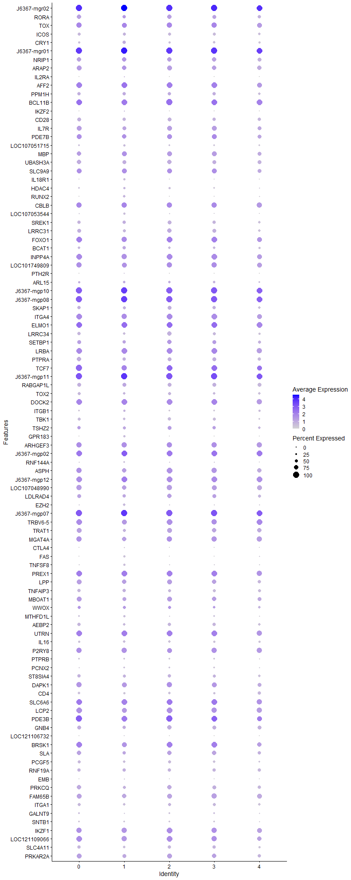
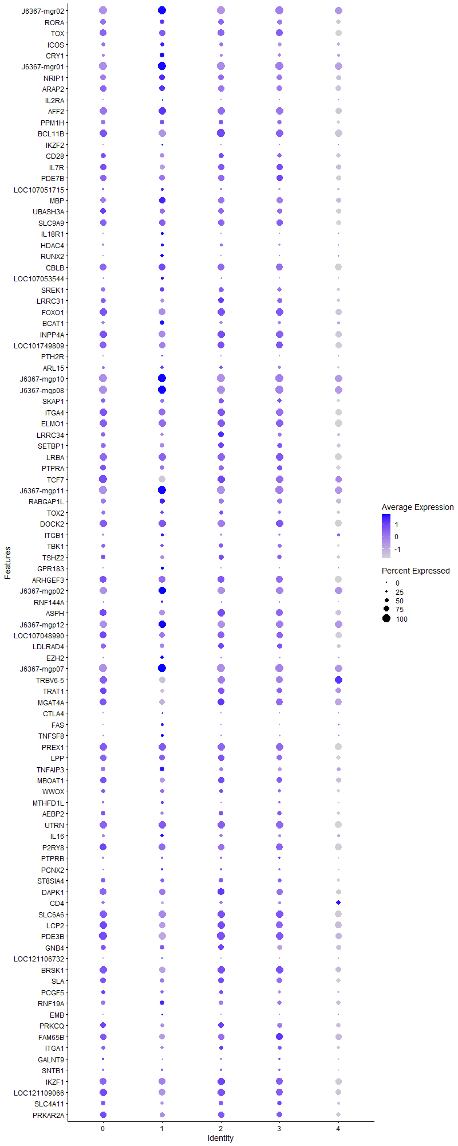
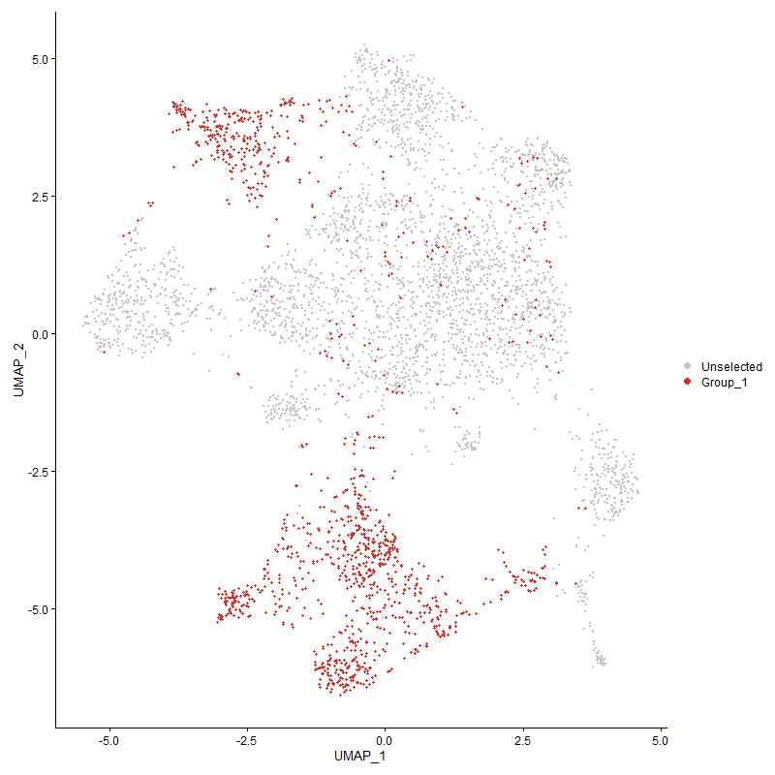
 | p_val | avg_log2FC | pct.1 | pct.2 | p_val_adj | cluster | gene
J6367-mgr02 | 1.923041985E-182 | 0.91503892419 | 1 | 0.999 | 2.9366774152E-178 | 1 | J6367-mgr02 | 12S ribosomal RNA [ Gallus gallus (chicken) ]
RORA1 | 5.1442355715E-84 | 0.86829607111 | 0.594 | 0.351 | 7.8557621412E-80 | 1 | RORA | RAR-related orphan receptor alpha | plays an essential role in the development of type 2 innate lymphoid cells (ILC2)
TOX1 | 3.8263868883E-141 | 0.84734119983 | 0.831 | 0.499 | 5.8432754172E-137 | 1 | TOX | Thymocyte selection-associated high mobility group box protein | 10.1093/cei/uxac037 Drives T-cell exhaustion and innate lymphoid cell development
ICOS1 | 1.820785377E-277 | 0.8115181277 | 0.502 | 0.131 | 2.7805213493E-273 | 1 | ICOS
CRY1 | 1.1159756307E-130 | 0.79140162103 | 0.529 | 0.251 | 1.7042063856E-126 | 1 | CRY1 | Cryptochrome Circadian Regulator 1
J6367-mgr01 | 1.0179677322E-155 | 0.73834513367 | 1 | 0.999 | 1.5545385239E-151 | 1 | J6367-mgr01
NRIP11 | 8.4255869798E-84 | 0.73527328216 | 0.709 | 0.498 | 1.2866713877E-79 | 1 | NRIP1
ARAP21 | 6.9843818352E-88 | 0.72885556235 | 0.737 | 0.547 | 1.0665849501E-83 | 1 | ARAP2
IL2RA | 1.2166780766E-62 | 0.71432582846 | 0.208 | 0.076 | 1.8579890908E-58 | 1 | IL2RA
AFF21 | 1.6608697957E-75 | 0.71072512217 | 0.956 | 0.858 | 2.5363142649E-71 | 1 | AFF2 | AF4/FMR2 family member 2
PPM1H1 | 4.4756266769E-134 | 0.69985065316 | 0.553 | 0.246 | 6.8347294983E-130 | 1 | PPM1H
BCL11B1 | 2.4770678214E-131 | 0.68449443994 | 0.963 | 0.602 | 3.7827302701E-127 | 1 | BCL11B
IKZF2 | 2.2935757089E-65 | 0.68362882226 | 0.201 | 0.068 | 3.502519465E-61 | 1 | IKZF2
CD281 | 5.2028115441E-206 | 0.67579769203 | 0.538 | 0.183 | 7.9452135091E-202 | 1 | CD28
IL7R1 | 1.0176436576E-118 | 0.6660825908 | 0.633 | 0.328 | 1.5540436296E-114 | 1 | IL7R
PDE7B1 | 2.0902563713E-86 | 0.65738321096 | 0.705 | 0.429 | 3.1920305046E-82 | 1 | PDE7B
LOC1070517151 | 5.0768468819E-193 | 0.63608713743 | 0.335 | 0.078 | 7.7528528734E-189 | 1 | LOC107051715
MBP | 1.9184454573E-44 | 0.61446643236 | 0.757 | 0.664 | 2.9296580579E-40 | 1 | MBP
UBASH3A1 | 1.7879367692E-130 | 0.61129406653 | 0.619 | 0.304 | 2.7303582403E-126 | 1 | UBASH3A
SLC9A91 | 8.0870319479E-54 | 0.60671958702 | 0.791 | 0.623 | 1.2349706488E-49 | 1 | SLC9A9
IL18R1 | 5.6890379297E-251 | 0.59533056944 | 0.34 | 0.065 | 8.6877298224E-247 | 1 | IL18R1
HDAC4 | 3.268789742E-45 | 0.5950953204 | 0.35 | 0.203 | 4.991768815E-41 | 1 | HDAC4
RUNX2 | 1.0641713364E-68 | 0.59397658248 | 0.386 | 0.193 | 1.6250960478E-64 | 1 | RUNX2
CBLB1 | 1.2320069604E-69 | 0.58557577847 | 0.863 | 0.661 | 1.8813978292E-65 | 1 | CBLB
LOC107053544 | 1.5206101945E-180 | 0.56492509276 | 0.309 | 0.071 | 2.322123828E-176 | 1 | LOC107053544
SREK11 | 3.1519561393E-71 | 0.56065500428 | 0.575 | 0.374 | 4.8133522203E-67 | 1 | SREK1
LRRC311 | 3.2673094538E-136 | 0.5582702743 | 0.464 | 0.177 | 4.9895082668E-132 | 1 | LRRC31
FOXO11 | 3.0495995396E-85 | 0.55314533843 | 0.891 | 0.669 | 4.6570434569E-81 | 1 | FOXO1
BCAT1 | 3.5007685969E-36 | 0.54288327692 | 0.543 | 0.414 | 5.3460237243E-32 | 1 | BCAT1
INPP4A1 | 3.0240366012E-85 | 0.53610042596 | 0.878 | 0.712 | 4.6180062937E-81 | 1 | INPP4A
LOC1017498091 | 1.7399731E-82 | 0.52906119742 | 0.821 | 0.537 | 2.6571129211E-78 | 1 | LOC101749809
PTH2R | 0 | 0.52812290574 | 0.108 | 0.001 | 0 | 1 | PTH2R
ARL151 | 4.9610022288E-39 | 0.49936672871 | 0.444 | 0.282 | 7.5759465036E-35 | 1 | ARL15
J6367-mgp10 | 1.183705915E-45 | 0.49566607572 | 1 | 0.999 | 1.8076373029E-41 | 1 | J6367-mgp10
J6367-mgp08 | 1.3454622984E-53 | 0.48466128058 | 1 | 0.999 | 2.0546554758E-49 | 1 | J6367-mgp08
SKAP11 | 1.9270568043E-80 | 0.47655648903 | 0.517 | 0.267 | 2.9428084459E-76 | 1 | SKAP1
ITGA41 | 1.4616072406E-62 | 0.46873941828 | 0.897 | 0.786 | 2.2320204172E-58 | 1 | ITGA4
ELMO11 | 4.1312396E-83 | 0.46756809253 | 0.991 | 0.911 | 6.3088159931E-79 | 1 | ELMO1
LRRC341 | 7.0580128962E-104 | 0.4656200503 | 0.409 | 0.167 | 1.0778291494E-99 | 1 | LRRC34
SETBP11 | 1.1775829716E-43 | 0.46352123489 | 0.538 | 0.351 | 1.7982869559E-39 | 1 | SETBP1
LRBA1 | 1.1030319818E-57 | 0.45878212611 | 0.923 | 0.783 | 1.6844401394E-53 | 1 | LRBA
PTPRA1 | 9.2865013556E-74 | 0.44870370217 | 0.604 | 0.366 | 1.418141622E-69 | 1 | PTPRA
TCF71 | 1.6956083224E-96 | 0.44677815212 | 0.882 | 0.503 | 2.5893634691E-92 | 1 | TCF7
J6367-mgp11 | 1.5052710363E-62 | 0.44241489154 | 1 | 1 | 2.2986993996E-58 | 1 | J6367-mgp11
RABGAP1L | 9.8608799758E-47 | 0.43579469931 | 0.647 | 0.509 | 1.5058549811E-42 | 1 | RABGAP1L
TOX21 | 7.2379930233E-46 | 0.4222262171 | 0.448 | 0.276 | 1.1053139146E-41 | 1 | TOX2
DOCK21 | 1.7865359199E-63 | 0.42200271531 | 0.969 | 0.875 | 2.7282190033E-59 | 1 | DOCK2
ITGB1 | 8.5651817284E-05 | 0.41623493351 | 0.349 | 0.336 | 1 | 1 | ITGB1
TBK11 | 1.0243911591E-50 | 0.41603008314 | 0.445 | 0.274 | 1.5643477391E-46 | 1 | TBK1
TSHZ21 | 2.8355276968E-42 | 0.41405252427 | 0.479 | 0.284 | 4.3301343458E-38 | 1 | TSHZ2
GPR183 | 4.1754131604E-39 | 0.41404812128 | 0.301 | 0.163 | 6.3762734372E-35 | 1 | GPR183
ARHGEF31 | 1.5158745962E-48 | 0.40978654788 | 0.831 | 0.637 | 2.3148920959E-44 | 1 | ARHGEF3
J6367-mgp02 | 8.3190488736E-35 | 0.40814339242 | 0.998 | 0.995 | 1.2704019535E-30 | 1 | J6367-mgp02
RNF144A | 3.8499189309E-74 | 0.40739973818 | 0.274 | 0.104 | 5.8792111994E-70 | 1 | RNF144A
ASPH1 | 1.7086217742E-47 | 0.39728225514 | 0.696 | 0.496 | 2.6092363113E-43 | 1 | ASPH
J6367-mgp12 | 1.3474631406E-52 | 0.3963976715 | 0.989 | 0.971 | 2.057710962E-48 | 1 | J6367-mgp12
LOC1070489901 | 3.7110749332E-47 | 0.3948007042 | 0.757 | 0.604 | 5.6671825305E-43 | 1 | LOC107048990
LDLRAD41 | 1.1607906631E-29 | 0.39039840729 | 0.564 | 0.425 | 1.7726434217E-25 | 1 | LDLRAD4
EZH2 | 4.1367965448E-36 | 0.38620485806 | 0.369 | 0.22 | 6.3173020035E-32 | 1 | EZH2
J6367-mgp07 | 5.2044214568E-36 | 0.38319755123 | 1 | 1 | 7.9476720067E-32 | 1 | J6367-mgp07
TRBV6-51 | 2.6875538467E-41 | 0.37163220453 | 0.763 | 0.589 | 4.1041634793E-37 | 1 | TRBV6-5
TRAT11 | 3.9930539727E-59 | 0.36576129016 | 0.514 | 0.285 | 6.0977927217E-55 | 1 | TRAT1
MGAT4A1 | 7.1985570675E-48 | 0.36391717434 | 0.749 | 0.565 | 1.0992916498E-43 | 1 | MGAT4A
CTLA4 | 0 | 0.35936666487 | 0.189 | 0.012 | 0 | 1 | CTLA4
FAS | 6.9819100901E-100 | 0.35834702446 | 0.302 | 0.101 | 1.0662074899E-95 | 1 | FAS
TNFSF8 | 5.891601755E-58 | 0.35641655155 | 0.338 | 0.162 | 8.99706504E-54 | 1 | TNFSF8
PREX11 | 6.373837621E-46 | 0.35528175291 | 0.96 | 0.883 | 9.733487431E-42 | 1 | PREX1
LPP1 | 8.7032325631E-72 | 0.35032862859 | 0.732 | 0.499 | 1.3290706447E-67 | 1 | LPP
TNFAIP3 | 8.2093123593E-24 | 0.33977578636 | 0.535 | 0.433 | 1.2536440904E-19 | 1 | TNFAIP3
MBOAT11 | 1.5451680033E-30 | 0.32902146365 | 0.664 | 0.526 | 2.3596260579E-26 | 1 | MBOAT1
WWOX1 | 1.6176275911E-20 | 0.32869163433 | 0.488 | 0.364 | 2.4702790943E-16 | 1 | WWOX
MTHFD1L | 9.0908383012E-37 | 0.32758238381 | 0.307 | 0.168 | 1.388261917E-32 | 1 | MTHFD1L
AEBP21 | 5.1170409526E-28 | 0.32630706781 | 0.428 | 0.298 | 7.8142332387E-24 | 1 | AEBP2
UTRN1 | 7.7349413192E-42 | 0.32394718766 | 0.978 | 0.915 | 1.1812028889E-37 | 1 | UTRN
IL16 | 6.7768623731E-51 | 0.32132384599 | 0.427 | 0.243 | 1.034894653E-46 | 1 | IL16
P2RY81 | 7.0976008042E-32 | 0.3135292338 | 0.859 | 0.708 | 1.0838746188E-27 | 1 | P2RY8
PTPRB1 | 1.0433178204E-75 | 0.31291118883 | 0.241 | 0.083 | 1.5932506435E-71 | 1 | PTPRB
PCNX2 | 5.8566448036E-37 | 0.30451943708 | 0.281 | 0.147 | 8.9436822795E-33 | 1 | PCNX2
ST8SIA41 | 1.1544053943E-22 | 0.30289550866 | 0.502 | 0.386 | 1.7628924776E-18 | 1 | ST8SIA4
DAPK11 | 3.0205669141E-22 | 0.29937629349 | 0.768 | 0.693 | 4.6127077345E-18 | 1 | DAPK1
CD41 | 1.2535310867E-93 | 0.29688686392 | 0.301 | 0.104 | 1.9142673225E-89 | 1 | CD4
SLC6A61 | 1.0009182401E-25 | 0.29412681479 | 0.938 | 0.881 | 1.5285022445E-21 | 1 | SLC6A6
LCP21 | 2.3490037359E-34 | 0.29054024146 | 0.819 | 0.651 | 3.5871636051E-30 | 1 | LCP2
PDE3B1 | 1.7172439199E-44 | 0.2840427144 | 0.939 | 0.791 | 2.6224031902E-40 | 1 | PDE3B
GNB41 | 5.6447717253E-19 | 0.28377604121 | 0.578 | 0.498 | 8.6201309018E-15 | 1 | GNB4
LOC121106732 | 1.2462382443E-73 | 0.28118164847 | 0.123 | 0.027 | 1.9031304228E-69 | 1 | LOC121106732
BRSK11 | 9.622932073E-39 | 0.28006037124 | 0.769 | 0.551 | 1.4695179569E-34 | 1 | BRSK1
SLA1 | 1.1850413701E-20 | 0.27662596452 | 0.597 | 0.481 | 1.8096766762E-16 | 1 | SLA
PCGF51 | 1.0560983791E-24 | 0.27174170196 | 0.404 | 0.28 | 1.6127678347E-20 | 1 | PCGF5
RNF19A | 2.0537600208E-14 | 0.27001785905 | 0.572 | 0.514 | 3.1362969278E-10 | 1 | RNF19A
EMB | 5.8825989055E-13 | 0.26980138353 | 0.18 | 0.115 | 8.9833167886E-09 | 1 | EMB
PRKCQ1 | 8.0061730786E-20 | 0.26793870858 | 0.516 | 0.401 | 1.2226226908E-15 | 1 | PRKCQ
FAM65B1 | 1.8060955741E-25 | 0.2673987964 | 0.695 | 0.577 | 2.7580885512E-21 | 1 | FAM65B
ITGA11 | 6.2622876265E-20 | 0.26694906641 | 0.373 | 0.264 | 9.5631394344E-16 | 1 | ITGA1
GALNT91 | 1.1883014541E-25 | 0.26602262563 | 0.203 | 0.106 | 1.8146551506E-21 | 1 | GALNT9
SNTB11 | 2.0171883916E-44 | 0.26550167258 | 0.227 | 0.099 | 3.0804483928E-40 | 1 | SNTB1
IKZF11 | 1.764078568E-20 | 0.26537630926 | 0.833 | 0.733 | 2.6939243812E-16 | 1 | IKZF1
LOC1211090661 | 1.5317552304E-32 | 0.26335021593 | 0.832 | 0.682 | 2.3391434123E-28 | 1 | LOC121109066
SLC4A111 | 5.9917874284E-27 | 0.26263690396 | 0.381 | 0.25 | 9.1500585819E-23 | 1 | SLC4A11
PRKAR2A1 | 1.1406739179E-23 | 0.26094446738 | 0.608 | 0.473 | 1.7419231401E-19 | 1 | PRKAR2A
PLCG1 | 1.5840243663E-29 | 0.26093147237 | 0.39 | 0.252 | 2.4189636097E-25 | 1 | PLCG1
J6367-mgp01 | 3.5916107449E-09 | 0.26029365944 | 0.921 | 0.877 | 5.4847487686E-05 | 1 | J6367-mgp01
KDM1B | 9.5251182444E-49 | 0.26012706783 | 0.264 | 0.121 | 1.4545808071E-44 | 1 | KDM1B
SATB11 | 4.1847707347E-38 | 0.25808938879 | 0.655 | 0.434 | 6.390563389E-34 | 1 | SATB1
NAP1L4 | 6.1795824554E-20 | 0.25752276329 | 0.445 | 0.339 | 9.4368403677E-16 | 1 | NAP1L4
NCK11 | 1.2143981678E-18 | 0.25659753814 | 0.585 | 0.485 | 1.854507442E-14 | 1 | NCK1

Cluster2
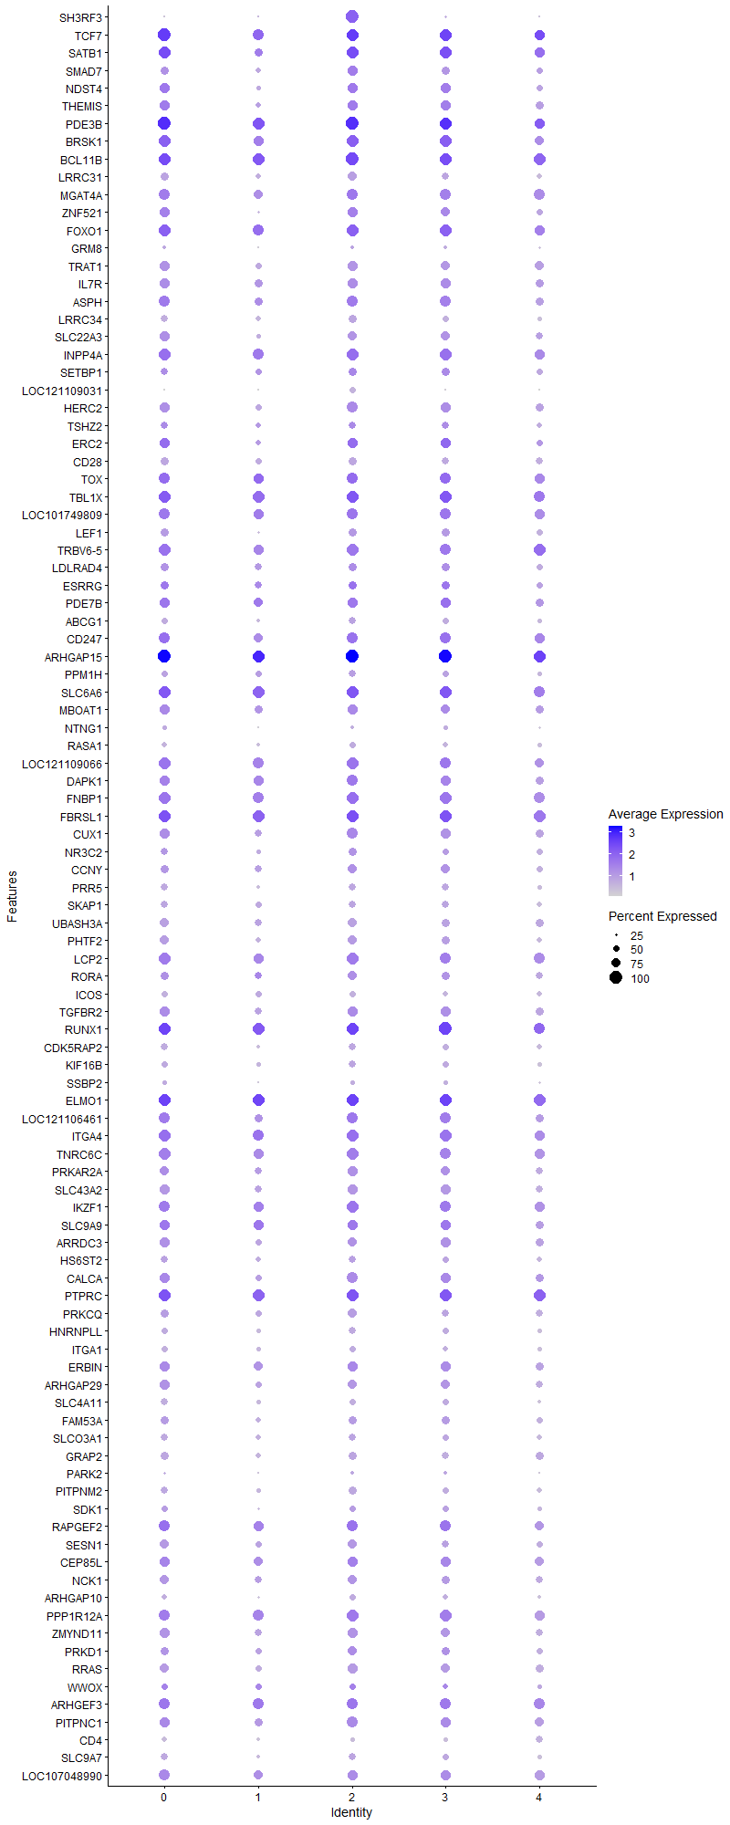
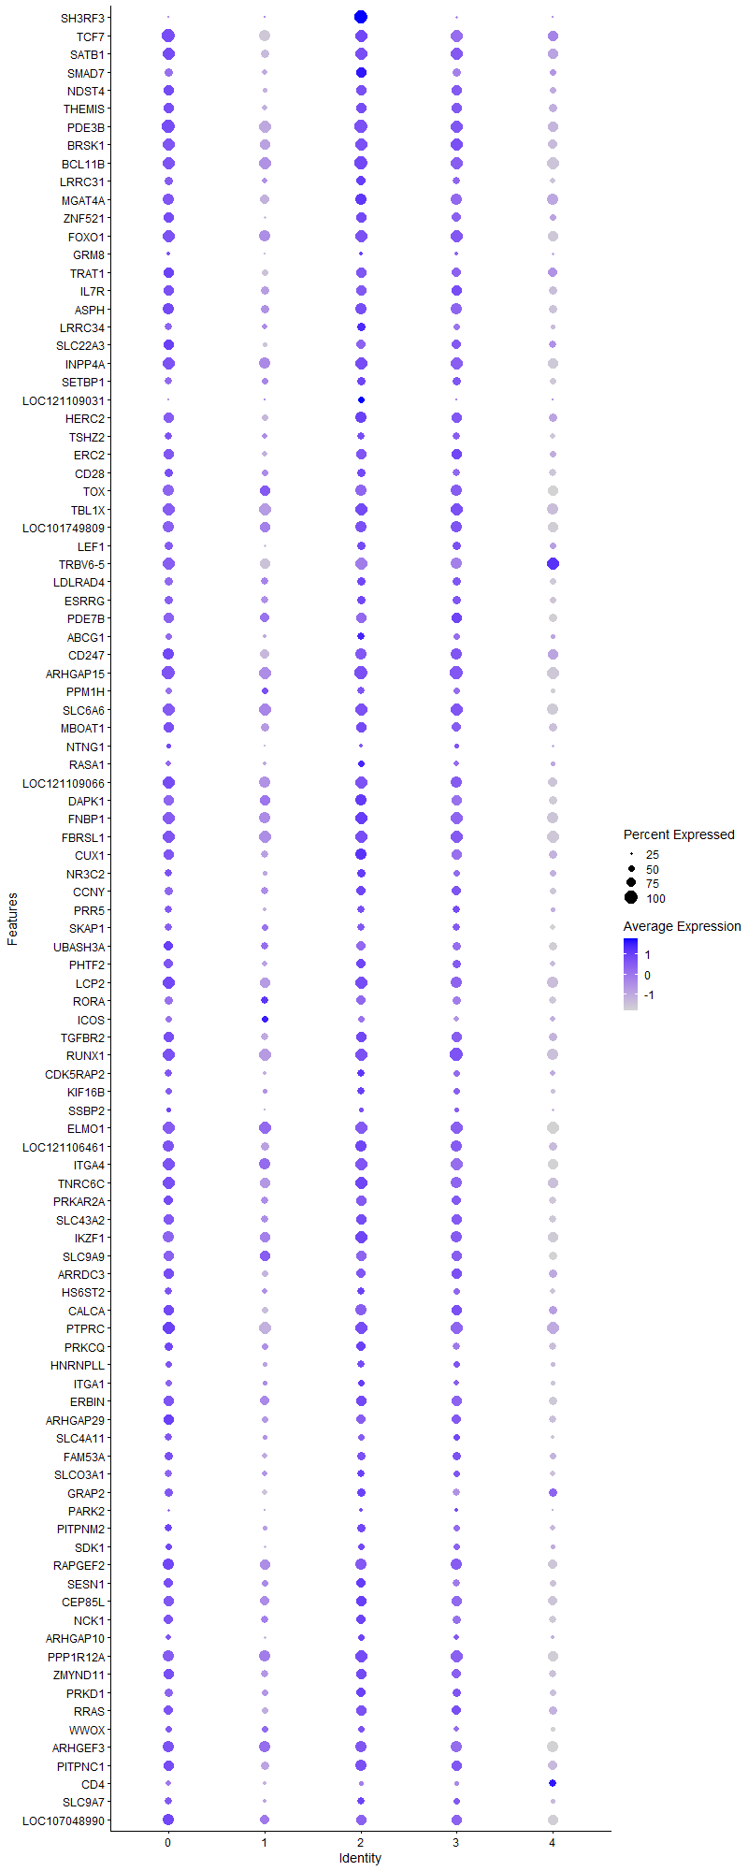
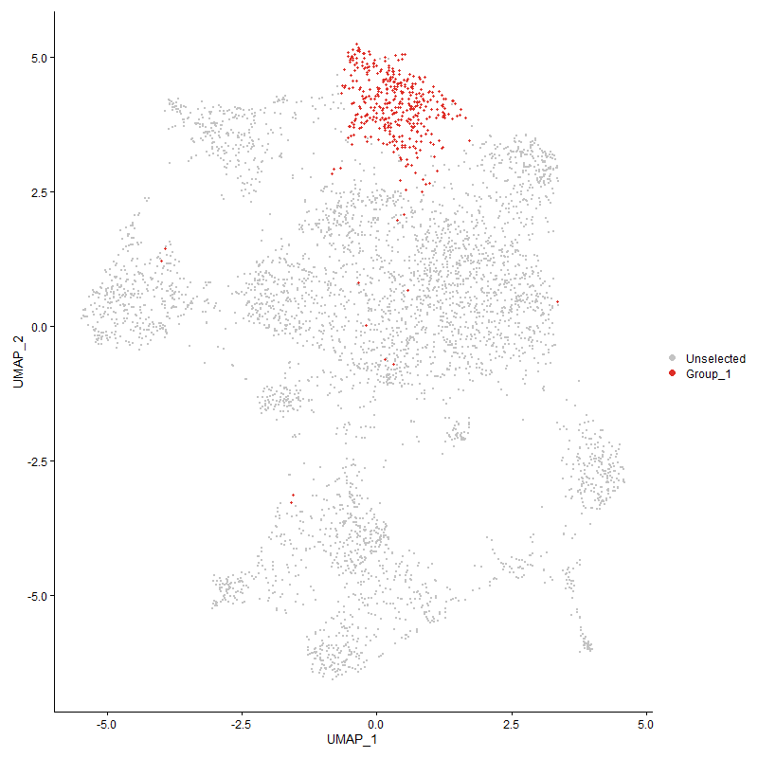
 | p_val | avg_log2FC | pct.1 | pct.2 | p_val_adj | cluster | gene
SH3RF3 | 0 | 2.5001515695 | 1 | 0.112 | 0 | 2 | SH3RF3 | SH3 Domain Containing Ring Finger 3
TCF72 | 1.0702477913E-159 | 1.4966431133 | 0.998 | 0.519 | 1.6343754021E-155 | 2 | TCF7
SATB12 | 7.3266853318E-155 | 1.4637809535 | 0.98 | 0.437 | 1.118858117E-150 | 2 | SATB1
SMAD71 | 5.1825222117E-152 | 1.3361825869 | 0.838 | 0.289 | 7.9142296695E-148 | 2 | SMAD7
NDST41 | 7.5848185108E-131 | 1.2391408309 | 0.812 | 0.279 | 1.1582776348E-126 | 2 | NDST4
THEMIS1 | 3.0622972457E-129 | 1.1633087898 | 0.84 | 0.3 | 4.6764341239E-125 | 2 | THEMIS
PDE3B2 | 2.6760367226E-113 | 1.1501887105 | 1 | 0.797 | 4.0865756791E-109 | 2 | PDE3B
BRSK12 | 2.7142391734E-98 | 1.0806049085 | 0.968 | 0.557 | 4.1449146416E-94 | 2 | BRSK1
BCL11B2 | 3.77085274E-91 | 1.0116110311 | 1 | 0.619 | 5.7584692193E-87 | 2 | BCL11B
LRRC312 | 1.9087649777E-161 | 0.9349907629 | 0.718 | 0.185 | 2.9148749974E-157 | 2 | LRRC31
MGAT4A2 | 1.9480194793E-72 | 0.92383751966 | 0.897 | 0.571 | 2.9748205468E-68 | 2 | MGAT4A
ZNF5211 | 2.9751113741E-75 | 0.90141521783 | 0.78 | 0.348 | 4.5432925794E-71 | 2 | ZNF521
FOXO12 | 5.8317763022E-76 | 0.88604907069 | 0.975 | 0.678 | 8.905705591E-72 | 2 | FOXO1
GRM81 | 4.2336638225E-53 | 0.8716688034 | 0.3 | 0.084 | 6.4652280234E-49 | 2 | GRM8
TRAT12 | 8.4245610323E-104 | 0.86537104689 | 0.78 | 0.29 | 1.2865147152E-99 | 2 | TRAT1
IL7R2 | 1.3811466677E-93 | 0.85091146274 | 0.82 | 0.339 | 2.1091490762E-89 | 2 | IL7R
ASPH2 | 1.875297106E-78 | 0.84606882682 | 0.92 | 0.5 | 2.8637662105E-74 | 2 | ASPH
LRRC342 | 5.009424333E-160 | 0.83192627584 | 0.69 | 0.173 | 7.649891899E-156 | 2 | LRRC34
SLC22A31 | 8.0781631056E-102 | 0.82286902607 | 0.748 | 0.258 | 1.2336162879E-97 | 2 | SLC22A3
INPP4A2 | 7.8357112767E-65 | 0.81117617971 | 0.95 | 0.718 | 1.1965914691E-60 | 2 | INPP4A
SETBP12 | 4.7720016005E-51 | 0.80261605262 | 0.698 | 0.356 | 7.2873236441E-47 | 2 | SETBP1
LOC121109031 | 0 | 0.78466890948 | 0.507 | 0.044 | 0 | 2 | LOC121109031 | uncharacterized
HERC21 | 1.3074475501E-68 | 0.78384895679 | 0.855 | 0.497 | 1.9966031538E-64 | 2 | HERC2
TSHZ22 | 2.3523979227E-46 | 0.77468234629 | 0.613 | 0.29 | 3.5923468678E-42 | 2 | TSHZ2
ERC21 | 4.1524287691E-56 | 0.74700155129 | 0.8 | 0.379 | 6.3411739733E-52 | 2 | ERC2
CD282 | 6.9483518459E-124 | 0.73517459048 | 0.68 | 0.197 | 1.0610828104E-119 | 2 | CD28
TOX3 | 1.6016232524E-48 | 0.73503200926 | 0.858 | 0.515 | 2.4458388687E-44 | 2 | TOX
TBL1X1 | 2.4654876399E-49 | 0.72171065268 | 0.96 | 0.813 | 3.7650461749E-45 | 2 | TBL1X
LOC1017498092 | 1.6684871147E-57 | 0.70389201034 | 0.91 | 0.549 | 2.5479466728E-53 | 2 | LOC101749809
LEF11 | 2.6842886215E-55 | 0.69459855668 | 0.688 | 0.33 | 4.0991771539E-51 | 2 | LEF1
TRBV6-52 | 8.251327592E-59 | 0.69339024029 | 0.943 | 0.593 | 1.2600602366E-54 | 2 | TRBV6-5
LDLRAD42 | 1.1394642077E-35 | 0.68296595647 | 0.7 | 0.429 | 1.7400757915E-31 | 2 | LDLRAD4
ESRRG1 | 2.0274212089E-20 | 0.67769602888 | 0.69 | 0.509 | 3.0960749281E-16 | 2 | ESRRG
PDE7B2 | 1.2197046863E-40 | 0.67602826503 | 0.775 | 0.441 | 1.8626110265E-36 | 2 | PDE7B
ABCG11 | 1.8754317875E-56 | 0.67255689814 | 0.615 | 0.279 | 2.8639718826E-52 | 2 | ABCG1
CD2471 | 5.5252628011E-45 | 0.66335840963 | 0.897 | 0.552 | 8.4376288235E-41 | 2 | CD247
ARHGAP151 | 2.1675003086E-66 | 0.64278943039 | 1 | 0.983 | 3.3099897212E-62 | 2 | ARHGAP15
PPM1H2 | 4.9315724358E-43 | 0.63689839574 | 0.565 | 0.261 | 7.5310042667E-39 | 2 | PPM1H
SLC6A62 | 1.7450248733E-45 | 0.63263153789 | 0.98 | 0.883 | 2.6648274841E-41 | 2 | SLC6A6
MBOAT12 | 6.2257156878E-40 | 0.63105365527 | 0.792 | 0.53 | 9.5072904269E-36 | 2 | MBOAT1
NTNG11 | 9.5990969639E-38 | 0.62737681535 | 0.33 | 0.121 | 1.4658780974E-33 | 2 | NTNG1
RASA11 | 3.8384213892E-50 | 0.62195454061 | 0.502 | 0.208 | 5.8616533034E-46 | 2 | RASA1
LOC1211090662 | 2.2734241522E-46 | 0.61586376199 | 0.943 | 0.687 | 3.4717460229E-42 | 2 | LOC121109066
DAPK12 | 2.5507579817E-36 | 0.6080846894 | 0.882 | 0.694 | 3.8952625139E-32 | 2 | DAPK1
FNBP11 | 7.1132138699E-43 | 0.5968921404 | 0.965 | 0.778 | 1.0862588901E-38 | 2 | FNBP1
FBRSL11 | 1.2871194033E-49 | 0.59438808314 | 0.998 | 0.95 | 1.9655600408E-45 | 2 | FBRSL1
CUX11 | 6.6901674316E-39 | 0.59361536197 | 0.865 | 0.615 | 1.0216554685E-34 | 2 | CUX1
NR3C21 | 1.1994929013E-34 | 0.5875193194 | 0.652 | 0.359 | 1.8317456095E-30 | 2 | NR3C2
CCNY1 | 1.5494195614E-30 | 0.58372167544 | 0.718 | 0.479 | 2.3661186122E-26 | 2 | CCNY
PRR51 | 2.1819732746E-55 | 0.58157846338 | 0.625 | 0.276 | 3.3320913877E-51 | 2 | PRR5
SKAP12 | 4.7291261881E-50 | 0.57998139757 | 0.613 | 0.277 | 7.2218486019E-46 | 2 | SKAP1
UBASH3A2 | 7.4188299496E-63 | 0.57626238835 | 0.715 | 0.318 | 1.1329295216E-58 | 2 | UBASH3A
PHTF21 | 1.2104781847E-40 | 0.57422024881 | 0.74 | 0.455 | 1.8485212358E-36 | 2 | PHTF2
LCP22 | 1.1744642681E-42 | 0.57217508231 | 0.948 | 0.656 | 1.7935243838E-38 | 2 | LCP2
RORA2 | 2.2524569841E-43 | 0.57212489719 | 0.715 | 0.36 | 3.4397270605E-39 | 2 | RORA
ICOS2 | 2.1093498245E-75 | 0.57058757314 | 0.49 | 0.15 | 3.221188117E-71 | 2 | ICOS
TGFBR21 | 1.5423491285E-38 | 0.56812524603 | 0.84 | 0.567 | 2.3553213541E-34 | 2 | TGFBR2
RUNX11 | 1.2563993798E-40 | 0.56540939723 | 0.998 | 0.921 | 1.9186474928E-36 | 2 | RUNX1
CDK5RAP21 | 1.9966088366E-44 | 0.5637857912 | 0.615 | 0.309 | 3.0490213544E-40 | 2 | CDK5RAP2
KIF16B1 | 1.1018208073E-42 | 0.56010332442 | 0.603 | 0.301 | 1.6825905548E-38 | 2 | KIF16B
SSBP21 | 1.5030950337E-35 | 0.55368639372 | 0.39 | 0.158 | 2.295376426E-31 | 2 | SSBP2
ELMO12 | 2.3415044012E-40 | 0.5480445968 | 0.993 | 0.915 | 3.5757113711E-36 | 2 | ELMO1
LOC1211064611 | 3.7998945536E-36 | 0.54421239451 | 0.915 | 0.615 | 5.8028189729E-32 | 2 | LOC121106461
ITGA42 | 3.8788624845E-41 | 0.54388706245 | 0.983 | 0.789 | 5.9234109E-37 | 2 | ITGA4
TNRC6C1 | 1.1711056599E-45 | 0.54243551197 | 0.95 | 0.754 | 1.7883954532E-41 | 2 | TNRC6C
PRKAR2A2 | 4.0479944224E-41 | 0.5329817607 | 0.802 | 0.475 | 6.1816922825E-37 | 2 | PRKAR2A
SLC43A21 | 4.5324020635E-36 | 0.52817829137 | 0.797 | 0.534 | 6.9214311911E-32 | 2 | SLC43A2
IKZF12 | 5.7666190571E-35 | 0.52603809226 | 0.925 | 0.736 | 8.8062039621E-31 | 2 | IKZF1
SLC9A92 | 2.4929712935E-25 | 0.52420454482 | 0.828 | 0.63 | 3.8070164624E-21 | 2 | SLC9A9
ARRDC31 | 2.9132924359E-29 | 0.52406389203 | 0.74 | 0.51 | 4.4488888789E-25 | 2 | ARRDC3
HS6ST21 | 5.8128048047E-28 | 0.52315181398 | 0.59 | 0.333 | 8.8767342173E-24 | 2 | HS6ST2
CALCA1 | 2.4529954429E-37 | 0.521329462 | 0.863 | 0.53 | 3.7459693408E-33 | 2 | CALCA
PTPRC1 | 2.9209702375E-37 | 0.520869714 | 0.998 | 0.948 | 4.4606136497E-33 | 2 | PTPRC
PRKCQ2 | 8.6332553373E-40 | 0.52048135167 | 0.72 | 0.402 | 1.3183844226E-35 | 2 | PRKCQ
HNRNPLL1 | 1.2878806014E-47 | 0.52016595476 | 0.588 | 0.264 | 1.9667224665E-43 | 2 | HNRNPLL
ITGA12 | 6.9768252833E-28 | 0.50397659725 | 0.5 | 0.266 | 1.065430989E-23 | 2 | ITGA1
ERBIN1 | 9.1410354554E-34 | 0.50387994917 | 0.84 | 0.623 | 1.3959275244E-29 | 2 | ERBIN
ARHGAP291 | 3.1762388691E-38 | 0.50152814962 | 0.74 | 0.418 | 4.850434377E-34 | 2 | ARHGAP29
SLC4A112 | 2.9119616161E-40 | 0.49423647773 | 0.537 | 0.253 | 4.4468565839E-36 | 2 | SLC4A11
FAM53A1 | 1.4104741167E-28 | 0.49076265805 | 0.685 | 0.428 | 2.1539350235E-24 | 2 | FAM53A
SLCO3A11 | 7.5936785845E-37 | 0.4898412751 | 0.618 | 0.318 | 1.1596306566E-32 | 2 | SLCO3A1
GRAP21 | 3.1047779415E-40 | 0.48748020187 | 0.662 | 0.348 | 4.7413063944E-36 | 2 | GRAP2
PARK21 | 9.5397739538E-10 | 0.48557970828 | 0.288 | 0.179 | 1.4568188805E-05 | 2 | PARK2
PITPNM21 | 5.8758667693E-48 | 0.48546406305 | 0.635 | 0.29 | 8.9730361434E-44 | 2 | PITPNM2
SDK11 | 1.5963857178E-17 | 0.48426140779 | 0.52 | 0.323 | 2.4378406297E-13 | 2 | SDK1
RAPGEF21 | 9.5214913728E-48 | 0.48350957294 | 0.917 | 0.641 | 1.4540269475E-43 | 2 | RAPGEF2
SESN11 | 4.2947024582E-30 | 0.48132736631 | 0.74 | 0.444 | 6.558440124E-26 | 2 | SESN1
CEP85L1 | 3.8680478176E-20 | 0.47854836403 | 0.823 | 0.685 | 5.9068958223E-16 | 2 | CEP85L
NCK12 | 6.8131113454E-25 | 0.47537591987 | 0.733 | 0.486 | 1.0404302336E-20 | 2 | NCK1
ARHGAP101 | 1.836517742E-36 | 0.47193444547 | 0.492 | 0.227 | 2.8045462439E-32 | 2 | ARHGAP10
PPP1R12A1 | 5.3731016622E-30 | 0.4700803618 | 0.935 | 0.815 | 8.2052635483E-26 | 2 | PPP1R12A
ZMYND111 | 8.5405718674E-29 | 0.46896103662 | 0.78 | 0.544 | 1.3042307299E-24 | 2 | ZMYND11
PRKD11 | 1.3733223056E-26 | 0.46760330502 | 0.733 | 0.475 | 2.0972004928E-22 | 2 | PRKD1
RRAS1 | 4.4825193375E-33 | 0.46517299953 | 0.78 | 0.496 | 6.8452552803E-29 | 2 | RRAS
WWOX2 | 1.5864784187E-09 | 0.46369599294 | 0.507 | 0.369 | 2.4227111932E-05 | 2 | WWOX
ARHGEF32 | 1.3023909693E-31 | 0.46088504412 | 0.917 | 0.645 | 1.9888812492E-27 | 2 | ARHGEF3
PITPNC11 | 4.7316265563E-28 | 0.4575569064 | 0.86 | 0.63 | 7.2256669141E-24 | 2 | PITPNC1
CD42 | 3.6202241518E-73 | 0.45615298475 | 0.405 | 0.111 | 5.5284443022E-69 | 2 | CD4
SLC9A71 | 9.2304786082E-26 | 0.45516054936 | 0.585 | 0.349 | 1.4095863883E-21 | 2 | SLC9A7
LOC1070489902 | 8.4776656151E-26 | 0.45356186324 | 0.84 | 0.609 | 1.2946243161E-21 | 2 | LOC107048990
FYB11 | 8.913908018E-37 | 0.45345428912 | 0.655 | 0.347 | 1.3612428934E-32 | 2 | FYB1
HLCS1 | 8.5766349727E-19 | 0.45160544301 | 0.568 | 0.371 | 1.3097379267E-14 | 2 | HLCS
NRP11 | 3.7902349388E-46 | 0.44972328597 | 0.405 | 0.143 | 5.788067775E-42 | 2 | NRP1
PLCL11 | 2.5071711594E-18 | 0.44885241298 | 0.232 | 0.1 | 3.8287010775E-14 | 2 | PLCL1
AEBP22 | 3.6436300944E-25 | 0.43751531578 | 0.53 | 0.302 | 5.5641875172E-21 | 2 | AEBP2
DIP2B1 | 5.8811657668E-33 | 0.43748992202 | 0.74 | 0.442 | 8.9811282424E-29 | 2 | DIP2B
IL20RA1 | 7.4197916244E-32 | 0.43741832415 | 0.667 | 0.357 | 1.133076379E-27 | 2 | IL20RA
PTPRA2 | 7.8796994271E-31 | 0.43689911595 | 0.66 | 0.376 | 1.2033088995E-26 | 2 | PTPRA
BMPR1A1 | 5.1802058068E-82 | 0.43669872517 | 0.268 | 0.049 | 7.9106922875E-78 | 2 | BMPR1A
UGT81 | 6.993772929E-49 | 0.43599711791 | 0.36 | 0.117 | 1.068019064E-44 | 2 | UGT8
PHACTR21 | 8.7441270168E-29 | 0.4337704581 | 0.527 | 0.274 | 1.3353156367E-24 | 2 | PHACTR2
LOC7692321 | 5.9431309586E-22 | 0.4310594518 | 0.965 | 0.762 | 9.0757552869E-18 | 2 | LOC769232
SKI | 8.031483414E-16 | 0.42885717856 | 0.598 | 0.418 | 1.2264878322E-11 | 2 | SKI
STK38L1 | 2.3426141213E-27 | 0.42818655497 | 0.695 | 0.431 | 3.5774060246E-23 | 2 | STK38L
KCNQ51 | 3.3998343618E-13 | 0.42686843007 | 0.767 | 0.608 | 5.1918870539E-09 | 2 | KCNQ5
CD381 | 1.6386574467E-59 | 0.42613211895 | 0.37 | 0.11 | 2.5023937868E-55 | 2 | CD38
SOS11 | 1.4520470888E-33 | 0.42298753778 | 0.555 | 0.288 | 2.2174211092E-29 | 2 | SOS1
KLF121 | 4.2070603874E-27 | 0.4228883826 | 0.828 | 0.549 | 6.4246019175E-23 | 2 | KLF12
LRBA2 | 3.0405054056E-23 | 0.42254607768 | 0.932 | 0.79 | 4.6431558048E-19 | 2 | LRBA
APBB1IP1 | 4.6044445831E-15 | 0.4224924247 | 0.777 | 0.654 | 7.0314473228E-11 | 2 | APBB1IP
EXT11 | 2.9102423686E-13 | 0.42239939574 | 0.408 | 0.263 | 4.4442311211E-09 | 2 | EXT1
TNRC6B1 | 1.4799454185E-21 | 0.4190855577 | 0.853 | 0.702 | 2.2600246486E-17 | 2 | TNRC6B
CBLB2 | 1.4794762555E-26 | 0.41766984654 | 0.907 | 0.67 | 2.2593081898E-22 | 2 | CBLB
NRK1 | 1.1919367592E-27 | 0.41729256452 | 0.973 | 0.849 | 1.8202066249E-23 | 2 | NRK
TSNARE11 | 7.6134934445E-26 | 0.41471267625 | 0.625 | 0.361 | 1.1626565839E-21 | 2 | TSNARE1
SREK12 | 3.8930165576E-26 | 0.41438745749 | 0.623 | 0.383 | 5.9450255851E-22 | 2 | SREK1
SLA2 | 3.055942645E-21 | 0.41310048912 | 0.72 | 0.484 | 4.6667300131E-17 | 2 | SLA
RASA31 | 1.7890447866E-25 | 0.41211407411 | 0.973 | 0.874 | 2.7320502937E-21 | 2 | RASA3
MANBA1 | 1.3475679199E-25 | 0.41099096159 | 0.368 | 0.171 | 2.0578709705E-21 | 2 | MANBA
PPM1A1 | 2.9530190996E-39 | 0.41036335944 | 0.565 | 0.271 | 4.509555467E-35 | 2 | PPM1A
ADD31 | 2.1642321216E-21 | 0.40818335568 | 0.772 | 0.56 | 3.3049988729E-17 | 2 | ADD3
CELF21 | 5.2761401137E-23 | 0.40733171651 | 0.975 | 0.919 | 8.0571935676E-19 | 2 | CELF2
GPR651 | 3.7060352903E-29 | 0.40580363641 | 0.5 | 0.259 | 5.6594864918E-25 | 2 | GPR65
CNTNAP21 | 1.7007527503E-24 | 0.40274670017 | 0.208 | 0.072 | 2.5972195249E-20 | 2 | CNTNAP2
TNS31 | 1.8108564789E-29 | 0.40130257077 | 0.52 | 0.269 | 2.765358929E-25 | 2 | TNS3
ACSL31 | 2.6451150925E-36 | 0.39998853085 | 0.515 | 0.239 | 4.0393552577E-32 | 2 | ACSL3
MTMR101 | 1.57869129E-39 | 0.39797967909 | 0.527 | 0.244 | 2.410819469E-35 | 2 | MTMR10
KDM4B1 | 8.1317855189E-22 | 0.39733564388 | 0.72 | 0.512 | 1.2418049666E-17 | 2 | KDM4B
PFKP1 | 4.2858297825E-18 | 0.3955002221 | 0.545 | 0.353 | 6.5448906609E-14 | 2 | PFKP
NCOA21 | 1.0855033128E-11 | 0.39472279586 | 0.755 | 0.626 | 1.657672109E-07 | 2 | NCOA2
IMMP2L1 | 4.821658296E-09 | 0.39467498215 | 0.405 | 0.279 | 7.3631543838E-05 | 2 | IMMP2L
SMCHD11 | 1.5645851375E-17 | 0.39274722926 | 0.718 | 0.536 | 2.3892779634E-13 | 2 | SMCHD1
ZNF7041 | 3.2228059191E-23 | 0.39242158419 | 0.565 | 0.34 | 4.9215469191E-19 | 2 | ZNF704
LOC1211132031 | 9.7986746821E-55 | 0.39210971682 | 0.33 | 0.095 | 1.4963556107E-50 | 2 | LOC121113203
ABI11 | 2.2039665348E-17 | 0.38950336173 | 0.843 | 0.68 | 3.3656772953E-13 | 2 | ABI1
SYNE11 | 1.3744601502E-22 | 0.38897926435 | 0.955 | 0.764 | 2.0989380954E-18 | 2 | SYNE1
RFTN11 | 4.8266803154E-23 | 0.38854391671 | 0.72 | 0.455 | 7.3708235096E-19 | 2 | RFTN1
ARL152 | 3.6087887494E-09 | 0.38803712334 | 0.412 | 0.291 | 5.5109812992E-05 | 2 | ARL15
LOC1070517152 | 5.3396092423E-31 | 0.38749582574 | 0.265 | 0.093 | 8.1541172739E-27 | 2 | LOC107051715
LPP2 | 7.6391682851E-36 | 0.38527988685 | 0.81 | 0.509 | 1.1665773888E-31 | 2 | LPP
TAB21 | 1.7878133125E-17 | 0.38467023046 | 0.47 | 0.291 | 2.7301697096E-13 | 2 | TAB2
SLC24A31 | 8.7325979855E-18 | 0.38181001851 | 0.545 | 0.355 | 1.3335550384E-13 | 2 | SLC24A3
FAM65B2 | 5.0848908161E-22 | 0.38092181768 | 0.812 | 0.58 | 7.7651367652E-18 | 2 | FAM65B
TOX22 | 1.81546503E-24 | 0.38060016324 | 0.517 | 0.283 | 2.7723966473E-20 | 2 | TOX2
LOC124417794 | 9.6531736579E-21 | 0.37998947006 | 0.105 | 0.027 | 1.4741361493E-16 | 2 | LOC124417794
MACROD21 | 8.5970901017E-07 | 0.37977825638 | 0.51 | 0.405 | 0.013128616294 | 2 | MACROD2
KLF131 | 1.4907976295E-15 | 0.37507201704 | 0.748 | 0.583 | 2.27659706E-11 | 2 | KLF13
TRA2A1 | 6.4811090353E-21 | 0.37448455842 | 0.71 | 0.502 | 9.8973016078E-17 | 2 | TRA2A
TBK12 | 1.1454319665E-30 | 0.36872859511 | 0.542 | 0.28 | 1.7491891561E-26 | 2 | TBK1
PARP81 | 5.4696034081E-12 | 0.36762406795 | 0.418 | 0.276 | 8.3526313645E-08 | 2 | PARP8
ITK1 | 1.0318014431E-25 | 0.36664043957 | 0.52 | 0.278 | 1.5756639837E-21 | 2 | ITK
ARAP22 | 2.5374885524E-23 | 0.36430581068 | 0.8 | 0.554 | 3.8749987684E-19 | 2 | ARAP2
ADD11 | 1.5542835559E-21 | 0.3636938615 | 0.595 | 0.361 | 2.3735464182E-17 | 2 | ADD1
NRIP12 | 3.8227000387E-20 | 0.36296494745 | 0.738 | 0.508 | 5.8376452291E-16 | 2 | NRIP1
DIP2C1 | 1.7331526558E-14 | 0.36167927694 | 0.26 | 0.13 | 2.6466974207E-10 | 2 | DIP2C
SUPT3H1 | 3.0626413812E-16 | 0.36012800543 | 0.51 | 0.326 | 4.6769596532E-12 | 2 | SUPT3H
ANO101 | 9.3580231407E-10 | 0.35867220994 | 0.178 | 0.091 | 1.4290637138E-05 | 2 | ANO10
RAPH11 | 4.5760839016E-14 | 0.35807330776 | 0.282 | 0.149 | 6.9881377261E-10 | 2 | RAPH1
SLC12A41 | 5.2137809042E-19 | 0.35734365572 | 0.525 | 0.319 | 7.9619648187E-15 | 2 | SLC12A4
TSPAN181 | 6.3696078574E-42 | 0.35104315713 | 0.305 | 0.098 | 9.7270281591E-38 | 2 | TSPAN18
PLCL21 | 4.6562138315E-15 | 0.35097640284 | 0.725 | 0.533 | 7.1105041421E-11 | 2 | PLCL2
PRKCE1 | 5.3477152635E-21 | 0.34836602236 | 0.823 | 0.567 | 8.166495979E-17 | 2 | PRKCE
TRPS1 | 2.3378355394E-13 | 0.34719021773 | 0.885 | 0.733 | 3.5701086522E-09 | 2 | TRPS1
EPC2 | 1.7398539863E-26 | 0.34610307091 | 0.372 | 0.177 | 2.6569310225E-22 | 2 | EPC2
SRPK21 | 1.303988605E-17 | 0.34371272818 | 0.545 | 0.341 | 1.9913209987E-13 | 2 | SRPK2
TXK1 | 1.3134483159E-26 | 0.34317417067 | 0.595 | 0.327 | 2.0057669232E-22 | 2 | TXK
CD51 | 8.4552405997E-47 | 0.34306530637 | 0.345 | 0.113 | 1.291199792E-42 | 2 | CD5
ITSN21 | 7.2917701889E-20 | 0.34146351548 | 0.448 | 0.259 | 1.1135262256E-15 | 2 | ITSN2
PDSS21 | 1.6120655511E-20 | 0.34102041093 | 0.45 | 0.243 | 2.4617853031E-16 | 2 | PDSS2
FOXK21 | 5.9799810216E-15 | 0.34065390549 | 0.688 | 0.496 | 9.132029018E-11 | 2 | FOXK2
STAT41 | 2.7115494867E-19 | 0.33879336369 | 0.613 | 0.387 | 4.1408072212E-15 | 2 | STAT4
LOC1070529841 | 8.1452170079E-55 | 0.33742075672 | 0.22 | 0.047 | 1.2438560893E-50 | 2 | LOC107052984
KIAA15491 | 1.946548149E-16 | 0.33706947936 | 0.322 | 0.167 | 2.9725736784E-12 | 2 | KIAA1549
FARS2 | 1.1977187606E-10 | 0.33619472891 | 0.408 | 0.271 | 1.8290363193E-06 | 2 | FARS2
NFKB11 | 1.424587668E-15 | 0.33451538038 | 0.882 | 0.758 | 2.1754878278E-11 | 2 | NFKB1
FTO1 | 4.2138165112E-10 | 0.33341201966 | 0.275 | 0.158 | 6.4349191942E-06 | 2 | FTO
DCAF61 | 2.3785725783E-19 | 0.33257738482 | 0.422 | 0.233 | 3.6323181844E-15 | 2 | DCAF6
HPCAL1 | 9.9137584004E-17 | 0.3282151116 | 0.475 | 0.283 | 1.5139300453E-12 | 2 | HPCAL1
DOK6 | 8.9523258086E-12 | 0.32765452565 | 0.182 | 0.086 | 1.3671096742E-07 | 2 | DOK6
XYLT11 | 1.04038436E-07 | 0.3258747531 | 0.54 | 0.42 | 0.0015887709562 | 2 | XYLT1
PLXNB21 | 1.7443483383E-20 | 0.32431225098 | 0.192 | 0.071 | 2.6637943473E-16 | 2 | PLXNB2
AFF22 | 7.3287730174E-17 | 0.32395575962 | 0.948 | 0.863 | 1.1191769275E-12 | 2 | AFF2
TPK11 | 5.6561406519E-12 | 0.32206235894 | 0.422 | 0.274 | 8.6374923895E-08 | 2 | TPK1
ST8SIA42 | 1.1547362191E-14 | 0.31942638267 | 0.565 | 0.39 | 1.7633976801E-10 | 2 | ST8SIA4
ZNRF21 | 9.1468561028E-15 | 0.3188522329 | 0.835 | 0.666 | 1.3968163955E-10 | 2 | ZNRF2
IGF2BP31 | 5.4500328539E-15 | 0.31777270599 | 0.388 | 0.226 | 8.3227451712E-11 | 2 | IGF2BP3
PRKACB1 | 9.8970000621E-14 | 0.31708851935 | 0.657 | 0.476 | 1.5113708795E-09 | 2 | PRKACB
RASA2 | 4.9726068819E-15 | 0.31679927787 | 0.69 | 0.514 | 7.5936679693E-11 | 2 | RASA2
EVL1 | 4.7519280725E-15 | 0.31608548375 | 0.667 | 0.493 | 7.2566693595E-11 | 2 | EVL
SPTBN11 | 6.1071237088E-14 | 0.31597893864 | 0.85 | 0.729 | 9.3261886157E-10 | 2 | SPTBN1
ZFP36L21 | 1.9404213453E-15 | 0.31314023203 | 0.635 | 0.441 | 2.9632174364E-11 | 2 | ZFP36L2
PCGF52 | 7.5824041001E-18 | 0.31309972263 | 0.475 | 0.285 | 1.1579089301E-13 | 2 | PCGF5
EPB411 | 4.8891755696E-20 | 0.31036611957 | 0.495 | 0.289 | 7.4662600124E-16 | 2 | EPB41
KLF3 | 9.6646528187E-29 | 0.31001801857 | 0.3 | 0.117 | 1.4758891319E-24 | 2 | KLF3
RAPGEF61 | 1.8140802022E-17 | 0.3076069551 | 0.705 | 0.497 | 2.7702818768E-13 | 2 | RAPGEF6
AGPAT41 | 2.3258104E-18 | 0.30757235379 | 0.265 | 0.123 | 3.5517450618E-14 | 2 | AGPAT4
KCNK71 | 7.1988150404E-18 | 0.30712136941 | 0.415 | 0.231 | 1.0993310448E-13 | 2 | KCNK7
P2RX71 | 2.8152214651E-23 | 0.30610757217 | 0.492 | 0.269 | 4.2991246994E-19 | 2 | P2RX7
TAF4B1 | 5.1047492405E-15 | 0.30569374845 | 0.282 | 0.147 | 7.7954625651E-11 | 2 | TAF4B
CD821 | 2.4297428039E-17 | 0.30564874989 | 0.515 | 0.321 | 3.7104602358E-13 | 2 | CD82
TSC22D1 | 2.885679576E-08 | 0.30527625938 | 0.472 | 0.366 | 0.00044067212805 | 2 | TSC22D1
LOC1070531241 | 8.207963466E-27 | 0.30219936435 | 0.365 | 0.163 | 1.2534381009E-22 | 2 | LOC107053124
PPP4R1 | 8.2106884303E-12 | 0.30136393738 | 0.382 | 0.239 | 1.2538542302E-07 | 2 | PPP4R1
SMAD21 | 1.0587030639E-14 | 0.30065140363 | 0.245 | 0.12 | 1.6167454489E-10 | 2 | SMAD2
ANKRD441 | 4.6874955594E-17 | 0.30052928979 | 0.973 | 0.851 | 7.1582744688E-13 | 2 | ANKRD44
LPIN21 | 2.3682317255E-16 | 0.29986123871 | 0.505 | 0.318 | 3.616526668E-12 | 2 | LPIN2
KAT6B1 | 5.6723692244E-12 | 0.29934393578 | 0.512 | 0.355 | 8.6622750425E-08 | 2 | KAT6B
OTUD7A1 | 2.123891723E-17 | 0.29931832173 | 0.342 | 0.178 | 3.2433950502E-13 | 2 | OTUD7A
TMEM135 | 1.4558254461E-10 | 0.29756135778 | 0.53 | 0.391 | 2.2231910388E-06 | 2 | TMEM135
GALNT92 | 1.8235408623E-13 | 0.29633344872 | 0.228 | 0.11 | 2.7847292509E-09 | 2 | GALNT9
ARID1B | 3.9810982E-13 | 0.29621750162 | 0.958 | 0.94 | 6.0795350612E-09 | 2 | ARID1B
PCMTD11 | 2.597275736E-13 | 0.29431063112 | 0.7 | 0.509 | 3.9662997765E-09 | 2 | PCMTD1
MTMR3 | 1.0055646666E-11 | 0.29388728502 | 0.498 | 0.344 | 1.5355978023E-07 | 2 | MTMR3
GCLC | 2.0362707238E-14 | 0.29218361695 | 0.44 | 0.274 | 3.1095890223E-10 | 2 | GCLC
UBAC21 | 1.6818071856E-08 | 0.2897576497 | 0.478 | 0.352 | 0.00025682877531 | 2 | UBAC2
PLCG11 | 1.3837081656E-22 | 0.2862910008 | 0.475 | 0.257 | 2.1130607397E-18 | 2 | PLCG1
PTPRB2 | 2.7396589849E-34 | 0.28610583874 | 0.272 | 0.09 | 4.1837332359E-30 | 2 | PTPRB
PLEKHA1 | 3.1375136919E-19 | 0.28509947844 | 0.325 | 0.161 | 4.791297159E-15 | 2 | PLEKHA1
DOCK10 | 5.9694801706E-12 | 0.28430008635 | 0.745 | 0.584 | 9.1159931686E-08 | 2 | DOCK10
FAM49A1 | 1.6549136587E-07 | 0.2831779974 | 0.705 | 0.608 | 0.0025272186482 | 2 | FAM49A
LARGE11 | 8.7572829016E-07 | 0.28298468945 | 0.22 | 0.138 | 0.013373246719 | 2 | LARGE1
ZNF407 | 0.00047877051799 | 0.28280279647 | 0.615 | 0.549 | 1 | 2 | ZNF407
LOC124418357 | 8.5126195687E-07 | 0.28253174162 | 0.46 | 0.353 | 0.012999621343 | 2 | LOC124418357
MAP3K21 | 7.7829228513E-17 | 0.28065507711 | 0.382 | 0.215 | 1.1885301486E-12 | 2 | MAP3K2
GNB42 | 5.1762010649E-13 | 0.27993847486 | 0.685 | 0.5 | 7.9045766462E-09 | 2 | GNB4
ADAMTSL31 | 1.128316916E-14 | 0.27958725121 | 0.208 | 0.092 | 1.7230527624E-10 | 2 | ADAMTSL3
AKAP13 | 2.0961289658E-16 | 0.27907575027 | 0.978 | 0.913 | 3.2009985437E-12 | 2 | AKAP13
CD226 | 1.0418723892E-30 | 0.27706755847 | 0.42 | 0.178 | 1.5910433255E-26 | 2 | CD226
SNRK1 | 3.9805319033E-14 | 0.27525796915 | 0.525 | 0.344 | 6.0786702695E-10 | 2 | SNRK
P2RY82 | 1.651990345E-09 | 0.27496379498 | 0.84 | 0.716 | 2.5227544558E-05 | 2 | P2RY8
TNIK | 4.2047530817E-14 | 0.27265274187 | 0.618 | 0.425 | 6.4210784311E-10 | 2 | TNIK
SP31 | 8.3200896226E-14 | 0.27237947045 | 0.645 | 0.46 | 1.2705608863E-09 | 2 | SP3
ADNP | 2.2251050497E-11 | 0.27198875038 | 0.428 | 0.283 | 3.3979579214E-07 | 2 | ADNP
NAP1L41 | 6.8732821062E-17 | 0.27191646525 | 0.542 | 0.342 | 1.0496189104E-12 | 2 | NAP1L4
FUBP1 | 1.0306754723E-11 | 0.27166705466 | 0.415 | 0.275 | 1.5739445138E-07 | 2 | FUBP1
HDGFRP31 | 2.9822087674E-21 | 0.27108804027 | 0.382 | 0.192 | 4.5541310087E-17 | 2 | HDGFRP3
JAZF1 | 1.8577511473E-05 | 0.27090130321 | 0.208 | 0.136 | 0.28369717771 | 2 | JAZF1
TFDP21 | 8.6695423087E-18 | 0.27066904972 | 0.358 | 0.186 | 1.323925806E-13 | 2 | TFDP2
UTRN2 | 4.8153369001E-16 | 0.2705047234 | 0.988 | 0.918 | 7.3535009802E-12 | 2 | UTRN
MAN1A11 | 1.0666892761E-11 | 0.27016714314 | 0.948 | 0.88 | 1.6289411936E-07 | 2 | MAN1A1
NRARP1 | 6.3961343935E-32 | 0.26925932066 | 0.262 | 0.089 | 9.7675368324E-28 | 2 | NRARP
BCL21 | 0.086294196574 | 0.2691037689 | 0.44 | 0.421 | 1 | 2 | BCL2
TRIM241 | 2.3491841977E-14 | 0.26726919925 | 0.325 | 0.18 | 3.5874391883E-10 | 2 | TRIM24
SMAP11 | 3.4822058474E-12 | 0.26672888939 | 0.522 | 0.354 | 5.3176765496E-08 | 2 | SMAP1
PREX12 | 1.8181232956E-17 | 0.26610464201 | 0.973 | 0.886 | 2.7764560848E-13 | 2 | PREX1
BCAS3 | 3.1161449734E-07 | 0.26582159802 | 0.552 | 0.445 | 0.0047586649889 | 2 | BCAS3
CDK171 | 4.9589299583E-09 | 0.26578752294 | 0.665 | 0.522 | 7.5727819394E-05 | 2 | CDK17
HS6ST11 | 3.8226018974E-17 | 0.26566617368 | 0.532 | 0.315 | 5.8374953575E-13 | 2 | HS6ST1
SNX251 | 4.1489672285E-21 | 0.26549942544 | 0.527 | 0.294 | 6.3358878546E-17 | 2 | SNX25
APBA21 | 1.4786294427E-18 | 0.26536949408 | 0.145 | 0.048 | 2.258015022E-14 | 2 | APBA2
TMEM245 | 7.031509064E-10 | 0.26421090977 | 0.445 | 0.31 | 1.0737817492E-05 | 2 | TMEM245
CNOT2 | 4.0490319556E-12 | 0.26279842235 | 0.588 | 0.417 | 6.1832766994E-08 | 2 | CNOT2
MIB1 | 2.3016981988E-19 | 0.26279094998 | 0.435 | 0.237 | 3.5149233194E-15 | 2 | MIB1
CD3E1 | 3.1014302764E-19 | 0.26205796633 | 0.532 | 0.304 | 4.736194175E-15 | 2 | CD3E
CWC27 | 4.7378717714E-08 | 0.26182080807 | 0.218 | 0.128 | 0.00072352039821 | 2 | CWC27
BRF1 | 3.0617154981E-08 | 0.26179516484 | 0.49 | 0.368 | 0.00046755457371 | 2 | BRF1
DLG11 | 2.9818590929E-09 | 0.26164340118 | 0.322 | 0.209 | 4.5535970207E-05 | 2 | DLG1
SNTB12 | 1.2362818052E-15 | 0.26153320448 | 0.23 | 0.105 | 1.8879259447E-11 | 2 | SNTB1
RGS91 | 2.2741722558E-20 | 0.2613687966 | 0.515 | 0.297 | 3.4728884519E-16 | 2 | RGS9
EEPD1 | 1.0263151495E-11 | 0.26045183898 | 0.445 | 0.291 | 1.5672858648E-07 | 2 | EEPD1
LOC1244183411 | 2.4625607477E-12 | 0.26029830689 | 0.328 | 0.189 | 3.7605765178E-08 | 2 | LOC124418341
PKN21 | 3.2575818434E-07 | 0.25961442615 | 0.63 | 0.527 | 0.0049746532331 | 2 | PKN2
EIF4G3 | 5.2564906222E-11 | 0.25925294252 | 0.627 | 0.462 | 8.0271868291E-07 | 2 | EIF4G3
EXTL31 | 1.0125142866E-12 | 0.25896437743 | 0.478 | 0.31 | 1.5462105671E-08 | 2 | EXTL3
MAGI3 | 1.2062402E-14 | 0.25849844296 | 0.345 | 0.194 | 1.8420494094E-10 | 2 | MAGI3
ZCCHC241 | 6.9288074763E-07 | 0.25756271529 | 0.22 | 0.137 | 0.010580981897 | 2 | ZCCHC24
FBXW71 | 5.1237183635E-10 | 0.25749966055 | 0.517 | 0.36 | 7.8244303129E-06 | 2 | FBXW7
DPEP21 | 7.9809235767E-26 | 0.25698541047 | 0.23 | 0.082 | 1.2187668394E-21 | 2 | DPEP2
LOC4312501 | 3.1590201315E-40 | 0.25409764583 | 0.218 | 0.057 | 4.8241396428E-36 | 2 | LOC431250
FBXL21 | 9.6697955522E-18 | 0.2534344902 | 0.318 | 0.155 | 1.4766744788E-13 | 2 | FBXL2
NPLOC4 | 3.3658628711E-21 | 0.25231735152 | 0.262 | 0.112 | 5.1400091905E-17 | 2 | NPLOC4
GPHN1 | 2.8230881367E-05 | 0.25203136262 | 0.335 | 0.25 | 0.43111378935 | 2 | GPHN
ETNK11 | 3.4218565072E-13 | 0.25161255483 | 0.43 | 0.271 | 5.2255170721E-09 | 2 | ETNK1
FBXO11 | 4.6767057244E-07 | 0.25055251066 | 0.482 | 0.367 | 0.0071417973117 | 2 | FBXO11
FMR1 | 1.5743486496E-10 | 0.25042718934 | 0.365 | 0.235 | 2.4041878229E-06 | 2 | FMR1
TMEM123 | 1.0772986551E-08 | 0.25021802319 | 0.438 | 0.316 | 0.00016451427762 | 2 | TMEM123

Cluster3
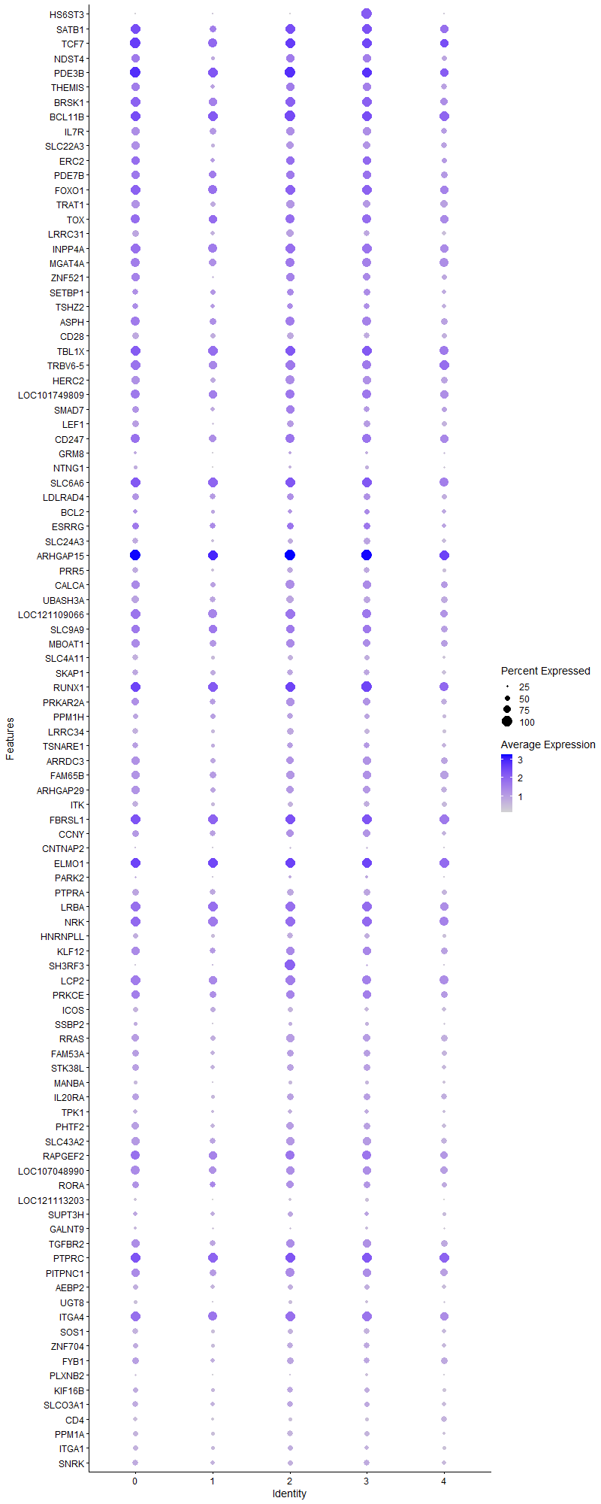
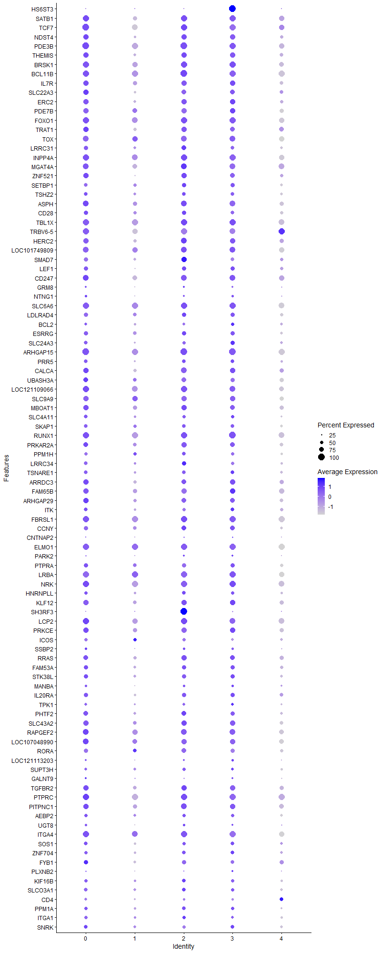
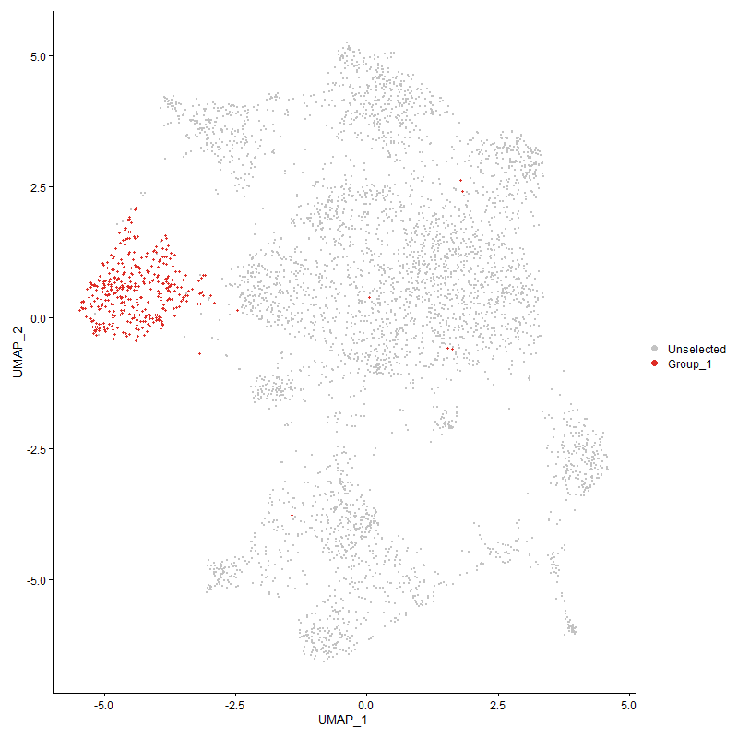
 | p_val | avg_log2FC | pct.1 | pct.2 | p_val_adj | cluster | gene
HS6ST3 | 0 | 2.6998466517 | 1 | 0.075 | 0 | 3 | HS6ST3 | Heparan sulfate 6-O-sulfotransferase 3
SATB13 | 4.1313714342E-138 | 1.3825215441 | 0.971 | 0.438 | 6.3090173172E-134 | 3 | SATB1
TCF73 | 1.3466832984E-119 | 1.2605154473 | 0.987 | 0.52 | 2.0565200649E-115 | 3 | TCF7
NDST42 | 6.3654780826E-115 | 1.1345862799 | 0.804 | 0.28 | 9.72072158E-111 | 3 | NDST4
PDE3B3 | 2.4805994343E-96 | 1.105144561 | 0.989 | 0.798 | 3.7881233962E-92 | 3 | PDE3B
THEMIS2 | 6.0709745274E-104 | 1.0726111664 | 0.81 | 0.301 | 9.2709852009E-100 | 3 | THEMIS
BRSK13 | 3.6612424093E-82 | 1.0717858143 | 0.939 | 0.558 | 5.5910832833E-78 | 3 | BRSK1
BCL11B3 | 2.3260879502E-75 | 0.91186106898 | 0.992 | 0.62 | 3.5521689088E-71 | 3 | BCL11B
IL7R3 | 5.1391905157E-87 | 0.8850366634 | 0.802 | 0.34 | 7.8480578365E-83 | 3 | IL7R
SLC22A32 | 1.109181247E-87 | 0.88281431994 | 0.706 | 0.259 | 1.6938306823E-83 | 3 | SLC22A3
ERC22 | 1.7364121654E-63 | 0.87709420462 | 0.802 | 0.379 | 2.6516750177E-59 | 3 | ERC2
PDE7B3 | 2.5795763439E-52 | 0.86798001303 | 0.823 | 0.44 | 3.9392710347E-48 | 3 | PDE7B
FOXO13 | 8.9084022974E-60 | 0.86147403327 | 0.947 | 0.679 | 1.3604021148E-55 | 3 | FOXO1
TRAT13 | 3.1111697154E-81 | 0.8072250552 | 0.733 | 0.291 | 4.7510672723E-77 | 3 | TRAT1
TOX4 | 1.079291067E-45 | 0.77271556253 | 0.862 | 0.516 | 1.6481853884E-41 | 3 | TOX
LRRC313 | 2.9796031532E-104 | 0.77213058961 | 0.63 | 0.187 | 4.5501519752E-100 | 3 | LRRC31
INPP4A3 | 8.8257166813E-51 | 0.72866404382 | 0.947 | 0.719 | 1.3477751944E-46 | 3 | INPP4A
MGAT4A3 | 7.5030677083E-58 | 0.72089493686 | 0.902 | 0.571 | 1.1457934697E-53 | 3 | MGAT4A
ZNF5212 | 4.1434026329E-55 | 0.72088043429 | 0.741 | 0.349 | 6.3273901606E-51 | 3 | ZNF521
SETBP13 | 2.0810012143E-36 | 0.72087668451 | 0.643 | 0.358 | 3.1778969544E-32 | 3 | SETBP1
TSHZ23 | 1.1773751407E-39 | 0.70589736218 | 0.603 | 0.291 | 1.7979695773E-35 | 3 | TSHZ2
ASPH3 | 2.7031876075E-50 | 0.70166660473 | 0.865 | 0.502 | 4.1280377954E-46 | 3 | ASPH
CD283 | 6.6765621225E-80 | 0.69586213676 | 0.59 | 0.199 | 1.0195778017E-75 | 3 | CD28
TBL1X2 | 1.0348418014E-44 | 0.69252719974 | 0.963 | 0.813 | 1.5803069149E-40 | 3 | TBL1X
TRBV6-53 | 1.329907631E-47 | 0.68878954933 | 0.902 | 0.594 | 2.0309019433E-43 | 3 | TRBV6-5
HERC22 | 2.3920290976E-45 | 0.67826222959 | 0.804 | 0.499 | 3.6528676349E-41 | 3 | HERC2
LOC1017498093 | 4.6917610782E-42 | 0.6742225937 | 0.884 | 0.55 | 7.1647883425E-38 | 3 | LOC101749809
SMAD72 | 5.570633096E-46 | 0.67289054378 | 0.632 | 0.295 | 8.5069138009E-42 | 3 | SMAD7
LEF12 | 1.723474704E-50 | 0.6700234533 | 0.677 | 0.33 | 2.6319182205E-46 | 3 | LEF1
CD2472 | 5.6269544786E-37 | 0.66827452876 | 0.873 | 0.553 | 8.5929221843E-33 | 3 | CD247
GRM82 | 2.925577592E-35 | 0.64874751954 | 0.267 | 0.085 | 4.4676495408E-31 | 3 | GRM8
NTNG12 | 5.2862100331E-61 | 0.64799350651 | 0.402 | 0.12 | 8.0725713416E-57 | 3 | NTNG1
SLC6A63 | 6.3254055761E-34 | 0.60778646849 | 0.971 | 0.883 | 9.6595268553E-30 | 3 | SLC6A6
LDLRAD43 | 1.2033818503E-25 | 0.60039703832 | 0.661 | 0.43 | 1.8376844237E-21 | 3 | LDLRAD4
BCL22 | 6.6803941784E-09 | 0.59381208174 | 0.532 | 0.419 | 0.0001020162995 | 3 | BCL2
ESRRG2 | 2.2439262973E-13 | 0.59322372534 | 0.648 | 0.51 | 3.4266998486E-09 | 3 | ESRRG
SLC24A32 | 6.6130140651E-38 | 0.5928187664 | 0.635 | 0.354 | 1.0098733779E-33 | 3 | SLC24A3
ARHGAP152 | 1.5200841424E-49 | 0.58893295634 | 1 | 0.983 | 2.3213204938E-45 | 3 | ARHGAP15
PRR52 | 1.1512098266E-47 | 0.5865756101 | 0.601 | 0.278 | 1.7580125263E-43 | 3 | PRR5
CALCA2 | 1.1223947739E-33 | 0.58384100167 | 0.78 | 0.532 | 1.7140090593E-29 | 3 | CALCA
UBASH3A3 | 2.8877440321E-51 | 0.57948968675 | 0.672 | 0.319 | 4.4098739114E-47 | 3 | UBASH3A
LOC1211090663 | 1.5755094634E-33 | 0.57846224482 | 0.91 | 0.688 | 2.4059605016E-29 | 3 | LOC121109066
SLC9A93 | 1.6606742633E-26 | 0.56879699471 | 0.823 | 0.631 | 2.5360156675E-22 | 3 | SLC9A9
MBOAT13 | 5.4950169019E-27 | 0.56781565643 | 0.757 | 0.531 | 8.3914403109E-23 | 3 | MBOAT1
SLC4A113 | 2.6379640525E-42 | 0.56649632699 | 0.548 | 0.253 | 4.0284349046E-38 | 3 | SLC4A11
SKAP13 | 6.5413265144E-46 | 0.56503008824 | 0.608 | 0.278 | 9.9892597201E-42 | 3 | SKAP1
RUNX12 | 3.0680561309E-40 | 0.56024777762 | 1 | 0.921 | 4.6852285174E-36 | 3 | RUNX1
PRKAR2A3 | 1.1210108746E-32 | 0.54764871293 | 0.759 | 0.476 | 1.7118957066E-28 | 3 | PRKAR2A
PPM1H3 | 1.7978987709E-33 | 0.5444882745 | 0.537 | 0.262 | 2.745571213E-29 | 3 | PPM1H
LRRC343 | 1.95534723E-63 | 0.54428274209 | 0.513 | 0.177 | 2.986010755E-59 | 3 | LRRC34
TSNARE12 | 3.2788989664E-24 | 0.53754270478 | 0.603 | 0.362 | 5.0072066116E-20 | 3 | TSNARE1
ARRDC32 | 5.5057023909E-32 | 0.5366071125 | 0.786 | 0.51 | 8.4077581211E-28 | 3 | ARRDC3
FAM65B3 | 7.6115930221E-38 | 0.53612525321 | 0.844 | 0.58 | 1.1623663704E-33 | 3 | FAM65B
ARHGAP292 | 1.414923375E-31 | 0.52970617656 | 0.714 | 0.419 | 2.1607294859E-27 | 3 | ARHGAP29
ITK2 | 2.3649804331E-47 | 0.52605602259 | 0.611 | 0.276 | 3.6115616193E-43 | 3 | ITK
FBRSL12 | 1.023406221E-34 | 0.51787753109 | 0.989 | 0.95 | 1.5628436401E-30 | 3 | FBRSL1
CCNY2 | 3.0318211755E-25 | 0.51556196125 | 0.717 | 0.48 | 4.6298941172E-21 | 3 | CCNY
CNTNAP22 | 2.8402625518E-24 | 0.50509885976 | 0.209 | 0.072 | 4.3373649428E-20 | 3 | CNTNAP2
ELMO13 | 3.0400608266E-35 | 0.50434818242 | 0.995 | 0.915 | 4.6424768883E-31 | 3 | ELMO1
PARK22 | 5.9351216988E-09 | 0.50338248451 | 0.286 | 0.179 | 9.0635243463E-05 | 3 | PARK2
PTPRA3 | 7.504111734E-35 | 0.49751420104 | 0.664 | 0.376 | 1.1459529029E-30 | 3 | PTPRA
LRBA3 | 1.0754525729E-26 | 0.49602778676 | 0.931 | 0.79 | 1.6423236241E-22 | 3 | LRBA
NRK2 | 1.4442925172E-32 | 0.49241787034 | 0.966 | 0.849 | 2.2055791031E-28 | 3 | NRK
HNRNPLL2 | 1.3043305367E-35 | 0.48628338538 | 0.542 | 0.266 | 1.9918431626E-31 | 3 | HNRNPLL
KLF122 | 5.1097754528E-26 | 0.4844154611 | 0.802 | 0.55 | 7.8031380939E-22 | 3 | KLF12
SH3RF31 | 2.0348299263E-10 | 0.48370960055 | 0.241 | 0.131 | 3.1073887805E-06 | 3 | SH3RF3
LCP23 | 5.0416445505E-28 | 0.48198486051 | 0.87 | 0.658 | 7.6990953931E-24 | 3 | LCP2
PRKCE2 | 1.7122643964E-24 | 0.47719833269 | 0.791 | 0.568 | 2.6147989598E-20 | 3 | PRKCE
ICOS3 | 2.142476209E-56 | 0.4762304672 | 0.455 | 0.151 | 3.2717754187E-52 | 3 | ICOS
SSBP22 | 8.1154323315E-33 | 0.47622183839 | 0.389 | 0.158 | 1.2393076713E-28 | 3 | SSBP2
RRAS2 | 3.4018712269E-27 | 0.46749967871 | 0.741 | 0.497 | 5.1949975505E-23 | 3 | RRAS
FAM53A2 | 1.6258729436E-23 | 0.46701668697 | 0.664 | 0.429 | 2.4828705722E-19 | 3 | FAM53A
STK38L2 | 6.6476106508E-23 | 0.46562769582 | 0.653 | 0.432 | 1.0151566225E-18 | 3 | STK38L
MANBA2 | 1.0372696405E-30 | 0.46423028944 | 0.394 | 0.17 | 1.584014468E-26 | 3 | MANBA
IL20RA2 | 2.8832159398E-30 | 0.46289159502 | 0.659 | 0.358 | 4.4029590617E-26 | 3 | IL20RA
TPK12 | 3.7159734925E-22 | 0.46227338579 | 0.479 | 0.272 | 5.6746631204E-18 | 3 | TPK1
PHTF22 | 1.2179604456E-26 | 0.46149399333 | 0.696 | 0.456 | 1.8599473965E-22 | 3 | PHTF2
SLC43A22 | 3.5962037697E-28 | 0.45924917942 | 0.778 | 0.535 | 5.4917627767E-24 | 3 | SLC43A2
RAPGEF22 | 6.4810058238E-36 | 0.45617463059 | 0.899 | 0.641 | 9.8971439935E-32 | 3 | RAPGEF2
LOC1070489903 | 1.4622937974E-24 | 0.4529647847 | 0.828 | 0.61 | 2.233068858E-20 | 3 | LOC107048990
RORA3 | 2.6613064144E-31 | 0.45120982747 | 0.664 | 0.362 | 4.0640810255E-27 | 3 | RORA
LOC1211132032 | 1.4787760145E-57 | 0.44792089972 | 0.341 | 0.095 | 2.2582388518E-53 | 3 | LOC121113203
SUPT3H2 | 1.4159573891E-10 | 0.44679485901 | 0.455 | 0.328 | 2.1623085289E-06 | 3 | SUPT3H
GALNT93 | 9.1268293757E-25 | 0.44131827305 | 0.275 | 0.109 | 1.393758114E-20 | 3 | GALNT9
TGFBR22 | 1.4187873151E-23 | 0.44123866565 | 0.804 | 0.569 | 2.1666301088E-19 | 3 | TGFBR2
PTPRC2 | 1.0095829229E-29 | 0.43742434414 | 0.989 | 0.948 | 1.5417340815E-25 | 3 | PTPRC
PITPNC12 | 2.2310302564E-22 | 0.43532963871 | 0.804 | 0.632 | 3.4070063046E-18 | 3 | PITPNC1
AEBP23 | 1.4070887368E-24 | 0.43489191245 | 0.537 | 0.302 | 2.14876521E-20 | 3 | AEBP2
UGT82 | 1.7276351516E-38 | 0.43335242481 | 0.336 | 0.118 | 2.6382716399E-34 | 3 | UGT8
ITGA43 | 5.8293383499E-32 | 0.43216321469 | 0.971 | 0.79 | 8.9019825941E-28 | 3 | ITGA4
SOS12 | 1.191873533E-37 | 0.43018133829 | 0.582 | 0.288 | 1.8201100723E-33 | 3 | SOS1
ZNF7042 | 2.2968639785E-21 | 0.42942990797 | 0.563 | 0.34 | 3.5075409815E-17 | 3 | ZNF704
FYB12 | 3.4795686605E-28 | 0.42843492687 | 0.624 | 0.348 | 5.3136493015E-24 | 3 | FYB1
PLXNB22 | 4.6250703845E-49 | 0.42838613242 | 0.27 | 0.069 | 7.0629449841E-45 | 3 | PLXNB2
KIF16B2 | 7.9817105221E-21 | 0.42674189785 | 0.505 | 0.303 | 1.2188870138E-16 | 3 | KIF16B
SLCO3A12 | 1.0471672172E-19 | 0.4215171199 | 0.529 | 0.32 | 1.5991290574E-15 | 3 | SLCO3A1
CD43 | 1.328550699E-50 | 0.42013929012 | 0.36 | 0.112 | 2.0288297724E-46 | 3 | CD4
PPM1A2 | 1.0912901927E-27 | 0.41841414259 | 0.516 | 0.273 | 1.6665092533E-23 | 3 | PPM1A
ITGA13 | 2.8120690931E-21 | 0.41770871948 | 0.463 | 0.267 | 4.2943107121E-17 | 3 | ITGA1
SNRK2 | 9.2630918762E-21 | 0.41727896918 | 0.566 | 0.343 | 1.4145667604E-16 | 3 | SNRK
FNBP12 | 6.2623128428E-28 | 0.41692225641 | 0.942 | 0.779 | 9.5631779423E-24 | 3 | FNBP1
PDSS22 | 2.6840698438E-26 | 0.41656959216 | 0.484 | 0.243 | 4.0988430584E-22 | 3 | PDSS2
IKZF13 | 2.6381041924E-22 | 0.41477190476 | 0.897 | 0.737 | 4.0286489122E-18 | 3 | IKZF1
FBXW72 | 9.2398129169E-11 | 0.41273017784 | 0.489 | 0.361 | 1.4110118305E-06 | 3 | FBXW7
RASA12 | 7.7141080643E-28 | 0.41182240751 | 0.444 | 0.21 | 1.1780214425E-23 | 3 | RASA1
ABCG12 | 1.4587916674E-21 | 0.40946623925 | 0.492 | 0.283 | 2.2277207553E-17 | 3 | ABCG1
ABI12 | 3.8359387471E-20 | 0.40869930208 | 0.82 | 0.681 | 5.8578620606E-16 | 3 | ABI1
NFKB12 | 6.5581510977E-19 | 0.40427962393 | 0.878 | 0.758 | 1.0014952541E-14 | 3 | NFKB1
TNRC6C2 | 7.5508502747E-23 | 0.40218942019 | 0.913 | 0.755 | 1.1530903454E-18 | 3 | TNRC6C
ERBIN2 | 5.6097240923E-19 | 0.39912155355 | 0.799 | 0.624 | 8.5666096613E-15 | 3 | ERBIN
ARHGEF33 | 5.0147873178E-20 | 0.39832158362 | 0.849 | 0.647 | 7.6580817129E-16 | 3 | ARHGEF3
LOC1211064612 | 6.2174990192E-22 | 0.39785421286 | 0.868 | 0.617 | 9.4947427522E-18 | 3 | LOC121106461
RASA32 | 3.0222437349E-23 | 0.39732831952 | 0.992 | 0.874 | 4.6152684076E-19 | 3 | RASA3
CBLB3 | 2.4881372097E-18 | 0.39712653516 | 0.865 | 0.672 | 3.7996343329E-14 | 3 | CBLB
DOCK22 | 1.0373288534E-22 | 0.39508633203 | 0.96 | 0.88 | 1.584104892E-18 | 3 | DOCK2
DIP2B2 | 1.4750734487E-22 | 0.39101311457 | 0.68 | 0.444 | 2.2525846635E-18 | 3 | DIP2B
APBB1IP2 | 1.9448502799E-17 | 0.39091128806 | 0.812 | 0.653 | 2.9699808624E-13 | 3 | APBB1IP
ZMYND112 | 4.0627878536E-17 | 0.38946162985 | 0.743 | 0.545 | 6.2042833312E-13 | 3 | ZMYND11
LOC7692322 | 3.4688367793E-17 | 0.38518850439 | 0.963 | 0.763 | 5.2972606457E-13 | 3 | LOC769232
ARHGAP102 | 7.684904869E-20 | 0.38062064238 | 0.429 | 0.228 | 1.1735618225E-15 | 3 | ARHGAP10
CDYL1 | 5.9089899875E-18 | 0.37960016784 | 0.341 | 0.175 | 9.02361861E-14 | 3 | CDYL
SMCHD12 | 9.2759212334E-20 | 0.37878177619 | 0.741 | 0.536 | 1.4165259315E-15 | 3 | SMCHD1
ZCCHC242 | 3.4891443702E-11 | 0.37670623488 | 0.251 | 0.136 | 5.3282723677E-07 | 3 | ZCCHC24
TFDP22 | 6.3600083777E-20 | 0.37563834315 | 0.365 | 0.186 | 9.7123687936E-16 | 3 | TFDP2
HS6ST22 | 1.0276949515E-15 | 0.37471289397 | 0.526 | 0.335 | 1.5693929604E-11 | 3 | HS6ST2
EXTL32 | 1.9642519046E-24 | 0.37273959417 | 0.553 | 0.309 | 2.9996090835E-20 | 3 | EXTL3
CDK5RAP22 | 7.3099938704E-19 | 0.37138036034 | 0.516 | 0.311 | 1.1163091639E-14 | 3 | CDK5RAP2
PPP1R12A2 | 2.7601687738E-20 | 0.36847162538 | 0.923 | 0.815 | 4.2150537345E-16 | 3 | PPP1R12A
PRKACB2 | 2.4309448722E-16 | 0.36817043489 | 0.653 | 0.476 | 3.7122959144E-12 | 3 | PRKACB
NR3C22 | 6.3125074082E-12 | 0.36661861102 | 0.526 | 0.363 | 9.6398300631E-08 | 3 | NR3C2
KDM4B2 | 3.023959935E-18 | 0.36575450291 | 0.717 | 0.513 | 4.6178892167E-14 | 3 | KDM4B
PRKD12 | 2.8834655604E-19 | 0.36560425562 | 0.693 | 0.476 | 4.4033402573E-15 | 3 | PRKD1
HLCS2 | 2.1898125036E-12 | 0.36505243627 | 0.529 | 0.372 | 3.3440626742E-08 | 3 | HLCS
MYC1 | 4.1477590511E-20 | 0.3624054805 | 0.423 | 0.232 | 6.3340428469E-16 | 3 | MYC
TXK2 | 8.3743789997E-25 | 0.3623345759 | 0.577 | 0.328 | 1.278851417E-20 | 3 | TXK
IMMP2L2 | 0.00065984147731 | 0.3608202325 | 0.347 | 0.28 | 1 | 3 | IMMP2L
MACROD22 | 5.5055708307E-07 | 0.35951660014 | 0.508 | 0.405 | 0.0084075572156 | 3 | MACROD2
PITPNM22 | 2.7510138046E-22 | 0.35889481248 | 0.524 | 0.293 | 4.201073181E-18 | 3 | PITPNM2
ZNRF22 | 7.072512382E-15 | 0.3574652687 | 0.817 | 0.667 | 1.0800433658E-10 | 3 | ZNRF2
LARGE12 | 2.1765152763E-14 | 0.35733558944 | 0.272 | 0.137 | 3.3237564784E-10 | 3 | LARGE1
ENC11 | 3.4448638257E-34 | 0.3564092977 | 0.235 | 0.071 | 5.2606515482E-30 | 3 | ENC1
SLC9A72 | 2.5464711887E-13 | 0.35581620533 | 0.524 | 0.351 | 3.8887161522E-09 | 3 | SLC9A7
LOC1070547401 | 4.1977839428E-30 | 0.35494718444 | 0.238 | 0.077 | 6.4104358591E-26 | 3 | LOC107054740
CELF22 | 1.2700355238E-18 | 0.35414052615 | 0.968 | 0.919 | 1.9394712484E-14 | 3 | CELF2
ROCK11 | 3.0664664068E-14 | 0.35367841874 | 0.889 | 0.789 | 4.6828008498E-10 | 3 | ROCK1
ARAP23 | 3.9625463284E-17 | 0.35164130223 | 0.762 | 0.556 | 6.0512044981E-13 | 3 | ARAP2
DPEP22 | 2.1858369583E-42 | 0.35161686112 | 0.278 | 0.081 | 3.337991619E-38 | 3 | DPEP2
ETS21 | 7.7732019928E-23 | 0.34765983113 | 0.513 | 0.284 | 1.1870456763E-18 | 3 | ETS2
TNS32 | 1.8193087476E-20 | 0.34687327676 | 0.479 | 0.271 | 2.7782663885E-16 | 3 | TNS3
LOC1017522501 | 1.6878779548E-12 | 0.34444570584 | 0.384 | 0.229 | 2.5775584247E-08 | 3 | LOC101752250
PLCL22 | 8.0510087845E-12 | 0.34165410554 | 0.696 | 0.534 | 1.2294695515E-07 | 3 | PLCL2
UBAC22 | 6.3281495042E-09 | 0.34131706678 | 0.481 | 0.352 | 9.6637171079E-05 | 3 | UBAC2
SDK12 | 5.5676703222E-12 | 0.34098956257 | 0.489 | 0.324 | 8.502389349E-08 | 3 | SDK1
BTG11 | 5.183281203E-12 | 0.34047704747 | 0.772 | 0.691 | 7.9153887252E-08 | 3 | BTG1
MMD1 | 4.730533975E-22 | 0.33951707161 | 0.405 | 0.204 | 7.2239984332E-18 | 3 | MMD
PRKCQ3 | 1.6252527503E-18 | 0.33547333304 | 0.624 | 0.404 | 2.481923475E-14 | 3 | PRKCQ
PFKP2 | 1.3346652598E-13 | 0.33421864859 | 0.524 | 0.354 | 2.0381673182E-09 | 3 | PFKP
CDKAL11 | 6.675441895E-10 | 0.32929885961 | 0.738 | 0.629 | 1.0194067318E-05 | 3 | CDKAL1
GPR652 | 9.6382350559E-18 | 0.32709697376 | 0.444 | 0.261 | 1.4718548754E-13 | 3 | GPR65
AGPAT42 | 1.7113850753E-22 | 0.3263629146 | 0.288 | 0.123 | 2.6134561484E-18 | 3 | AGPAT4
STAT42 | 3.1961914216E-17 | 0.32581605027 | 0.606 | 0.388 | 4.88090392E-13 | 3 | STAT4
PTPRB3 | 6.5221852526E-39 | 0.32572748947 | 0.288 | 0.09 | 9.9600290992E-35 | 3 | PTPRB
TNRC6B2 | 4.6830628425E-12 | 0.3251965538 | 0.802 | 0.703 | 7.1515052668E-08 | 3 | TNRC6B
SMAD22 | 2.1801638662E-20 | 0.32452382116 | 0.272 | 0.119 | 3.32932824E-16 | 3 | SMAD2
P2RY83 | 9.6223047801E-12 | 0.32349184446 | 0.876 | 0.715 | 1.469422163E-07 | 3 | P2RY8
FBXL22 | 8.7164266336E-17 | 0.3220508739 | 0.31 | 0.156 | 1.3310855112E-12 | 3 | FBXL2
KLF132 | 3.981707905E-11 | 0.32200495126 | 0.72 | 0.584 | 6.0804661418E-07 | 3 | KLF13
DAPK13 | 1.9994352293E-09 | 0.31824595811 | 0.794 | 0.696 | 3.0533375386E-05 | 3 | DAPK1
STXBP51 | 3.3430149125E-11 | 0.31768789157 | 0.714 | 0.58 | 5.1051180729E-07 | 3 | STXBP5
SREK13 | 2.8536346462E-17 | 0.31640478604 | 0.595 | 0.384 | 4.3577854683E-13 | 3 | SREK1
LOC1070529842 | 8.8977855537E-43 | 0.3163358318 | 0.204 | 0.047 | 1.3587808319E-38 | 3 | LOC107052984
CD382 | 5.3681995974E-33 | 0.31632999 | 0.31 | 0.112 | 8.1977776052E-29 | 3 | CD38
AUTS2 | 5.6770891537E-15 | 0.31625463509 | 0.111 | 0.035 | 8.6694828466E-11 | 3 | AUTS2
ADD32 | 4.6343942211E-11 | 0.31544211743 | 0.73 | 0.561 | 7.077183415E-07 | 3 | ADD3
MTMR102 | 3.0423842155E-18 | 0.31535264086 | 0.437 | 0.246 | 4.6460249355E-14 | 3 | MTMR10
SPTBN12 | 2.6496255949E-11 | 0.31271581357 | 0.825 | 0.73 | 4.046243246E-07 | 3 | SPTBN1
LOC1070531242 | 4.7835662731E-28 | 0.31255602319 | 0.376 | 0.163 | 7.3049840556E-24 | 3 | LOC107053124
EPB412 | 3.3361598604E-15 | 0.30853354311 | 0.46 | 0.29 | 5.0946497227E-11 | 3 | EPB41
KAT6B2 | 6.8897550734E-08 | 0.30831451911 | 0.468 | 0.356 | 0.0010521344973 | 3 | KAT6B
ANO102 | 1.323406482E-05 | 0.30684577771 | 0.156 | 0.092 | 0.20209740387 | 3 | ANO10
EVL2 | 2.7167221618E-11 | 0.302903957 | 0.659 | 0.494 | 4.1487064132E-07 | 3 | EVL
XYLT12 | 1.1701659922E-08 | 0.30208945967 | 0.563 | 0.419 | 0.00017869604867 | 3 | XYLT1
SLA3 | 3.4293879378E-14 | 0.30181086907 | 0.698 | 0.484 | 5.2370183198E-10 | 3 | SLA
NCK13 | 1.6571617711E-15 | 0.30168604744 | 0.69 | 0.487 | 2.5306517406E-11 | 3 | NCK1
TBK13 | 1.4237678733E-16 | 0.30092037425 | 0.468 | 0.282 | 2.1742359193E-12 | 3 | TBK1
DHX15 | 5.0700115624E-16 | 0.29729075341 | 0.521 | 0.333 | 7.7424146569E-12 | 3 | DHX15
CEP85L2 | 2.3880925533E-10 | 0.29667685118 | 0.812 | 0.685 | 3.6468561381E-06 | 3 | CEP85L
CUX12 | 1.3537041367E-13 | 0.29603059115 | 0.786 | 0.617 | 2.0672415871E-09 | 3 | CUX1
SYNE12 | 1.1895634033E-11 | 0.29528527649 | 0.897 | 0.766 | 1.8165822732E-07 | 3 | SYNE1
COG5 | 1.7286294104E-06 | 0.2943886909 | 0.447 | 0.354 | 0.026397899726 | 3 | COG5
WWOX3 | 0.012657395571 | 0.2909657846 | 0.423 | 0.372 | 1 | 3 | WWOX
KCNQ52 | 1.3889691569E-09 | 0.28955901788 | 0.762 | 0.608 | 2.1210947994E-05 | 3 | KCNQ5
TSPAN182 | 3.8369552288E-31 | 0.28821452465 | 0.283 | 0.098 | 5.8594143299E-27 | 3 | TSPAN18
MAP4K41 | 6.3030519898E-18 | 0.28813145415 | 0.484 | 0.276 | 9.6253906937E-14 | 3 | MAP4K4
ADD12 | 5.6396437671E-12 | 0.2875747699 | 0.521 | 0.363 | 8.6122999967E-08 | 3 | ADD1
ST8SIA43 | 5.2454640465E-08 | 0.28735766285 | 0.519 | 0.392 | 0.00080103481454 | 3 | ST8SIA4
USP341 | 1.1681073194E-06 | 0.28672115468 | 0.611 | 0.52 | 0.017838166875 | 3 | USP34
LRPPRC | 5.270071906E-08 | 0.28639769333 | 0.423 | 0.31 | 0.00080479268077 | 3 | LRPPRC
DIP2C2 | 9.6531082884E-05 | 0.2847553503 | 0.196 | 0.132 | 1 | 3 | DIP2C
CD52 | 2.1326069988E-32 | 0.28353232313 | 0.312 | 0.114 | 3.2567041479E-28 | 3 | CD5
LOC1070517153 | 1.5414583156E-23 | 0.28189734741 | 0.249 | 0.093 | 2.3539609937E-19 | 3 | LOC107051715
CD822 | 1.6448203643E-14 | 0.28103612465 | 0.508 | 0.322 | 2.5118051783E-10 | 3 | CD82
PLCL12 | 3.8313977614E-11 | 0.27867253996 | 0.206 | 0.101 | 5.8509275214E-07 | 3 | PLCL1
DOCK101 | 4.8309105374E-13 | 0.27723486286 | 0.743 | 0.584 | 7.3772834816E-09 | 3 | DOCK10
TAF4B2 | 4.1745302425E-17 | 0.27625775954 | 0.302 | 0.147 | 6.3749251334E-13 | 3 | TAF4B
CLGN1 | 4.946551734E-36 | 0.27581967653 | 0.246 | 0.073 | 7.553879153E-32 | 3 | CLGN
DDX51 | 8.5890395909E-13 | 0.27578535048 | 0.939 | 0.856 | 1.3116322359E-08 | 3 | DDX5
RAPH12 | 1.388815012E-06 | 0.2713851197 | 0.238 | 0.151 | 0.021208594048 | 3 | RAPH1
DENND1B1 | 6.4185335777E-11 | 0.27136188171 | 0.892 | 0.799 | 9.8017426265E-07 | 3 | DENND1B
TTC27 | 2.7662887395E-08 | 0.2701849749 | 0.217 | 0.124 | 0.00042243995341 | 3 | TTC27
LOC4312502 | 6.2784832156E-48 | 0.26945178832 | 0.238 | 0.057 | 9.5878717186E-44 | 3 | LOC431250
RALGPS1 | 5.9458550076E-12 | 0.26927310954 | 0.235 | 0.12 | 9.0799151821E-08 | 3 | RALGPS1
HDGFRP32 | 1.2481922778E-12 | 0.26924630079 | 0.333 | 0.194 | 1.9061144274E-08 | 3 | HDGFRP3
RANBP9 | 4.7085456551E-10 | 0.26864766797 | 0.333 | 0.212 | 7.19042007E-06 | 3 | RANBP9
NRP12 | 2.5085835288E-21 | 0.26746268922 | 0.325 | 0.145 | 3.8308579069E-17 | 3 | NRP1
AGO3 | 6.714332498E-07 | 0.26590992073 | 0.352 | 0.251 | 0.010253457158 | 3 | AGO3
FOXK22 | 4.009071595E-12 | 0.26519449217 | 0.675 | 0.497 | 6.1222532328E-08 | 3 | FOXK2
MAN2A1 | 2.7979120649E-05 | 0.26358196238 | 0.373 | 0.291 | 0.42726915143 | 3 | MAN2A1
STAG1 | 1.5586865976E-11 | 0.26345617566 | 0.603 | 0.437 | 2.3802703032E-07 | 3 | STAG1
SIPA1L11 | 5.7320250545E-09 | 0.26274914181 | 0.487 | 0.345 | 8.7533754608E-05 | 3 | SIPA1L1
STRBP | 2.3018535739E-15 | 0.26270592108 | 0.283 | 0.142 | 3.5151605927E-11 | 3 | STRBP
HS6ST12 | 6.6871768137E-11 | 0.26261793654 | 0.468 | 0.317 | 1.0211987712E-06 | 3 | HS6ST1
PREX13 | 9.2349437896E-13 | 0.26137830657 | 0.95 | 0.887 | 1.4102682661E-08 | 3 | PREX1
RFTN12 | 2.6841771238E-10 | 0.26133151263 | 0.622 | 0.457 | 4.0990068858E-06 | 3 | RFTN1
CTDSPL1 | 6.440571517E-10 | 0.26100229828 | 0.55 | 0.397 | 9.8353967635E-06 | 3 | CTDSPL
NRIP13 | 1.1683833695E-11 | 0.25985641011 | 0.714 | 0.508 | 1.7842382436E-07 | 3 | NRIP1
SESN12 | 3.3161120974E-12 | 0.25982805101 | 0.63 | 0.447 | 5.064034784E-08 | 3 | SESN1
ETNK12 | 3.553219869E-14 | 0.25894960361 | 0.45 | 0.271 | 5.426122062E-10 | 3 | ETNK1
SP32 | 1.1435125202E-12 | 0.25865574176 | 0.659 | 0.46 | 1.7462579695E-08 | 3 | SP3
KIAA15492 | 1.2378500467E-12 | 0.25789764944 | 0.307 | 0.168 | 1.8903208063E-08 | 3 | KIAA1549
ANKRD442 | 1.212256169E-12 | 0.25609113819 | 0.942 | 0.852 | 1.8512363957E-08 | 3 | ANKRD44
GRAP22 | 1.8455375758E-15 | 0.25555649208 | 0.569 | 0.351 | 2.818320432E-11 | 3 | GRAP2
P2RX72 | 6.2713746988E-14 | 0.25548903179 | 0.439 | 0.271 | 9.5770163026E-10 | 3 | P2RX7
AMBRA1 | 1.3954875826E-06 | 0.25436368601 | 0.481 | 0.385 | 0.021310490874 | 3 | AMBRA1
ST8SIA1 | 5.1442306172E-10 | 0.25367986245 | 0.415 | 0.27 | 7.8557545755E-06 | 3 | ST8SIA1
SH2D1B | 2.9842537894E-23 | 0.25269299563 | 0.212 | 0.075 | 4.5572539617E-19 | 3 | SH2D1B
PLCB21 | 3.2233720969E-16 | 0.25180840135 | 0.288 | 0.143 | 4.9224115292E-12 | 3 | PLCB2

Cluster4
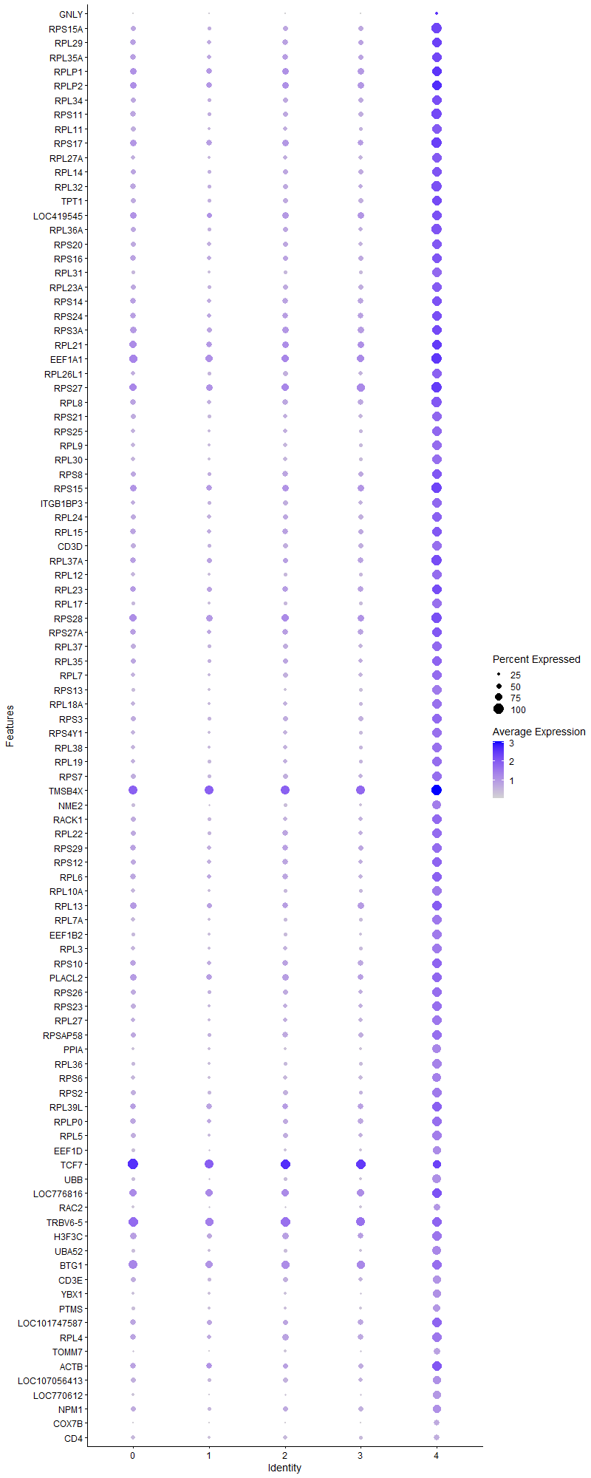
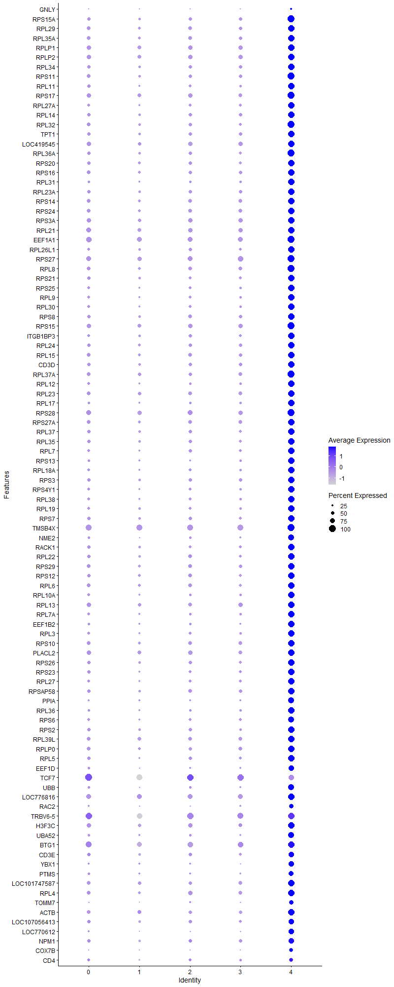
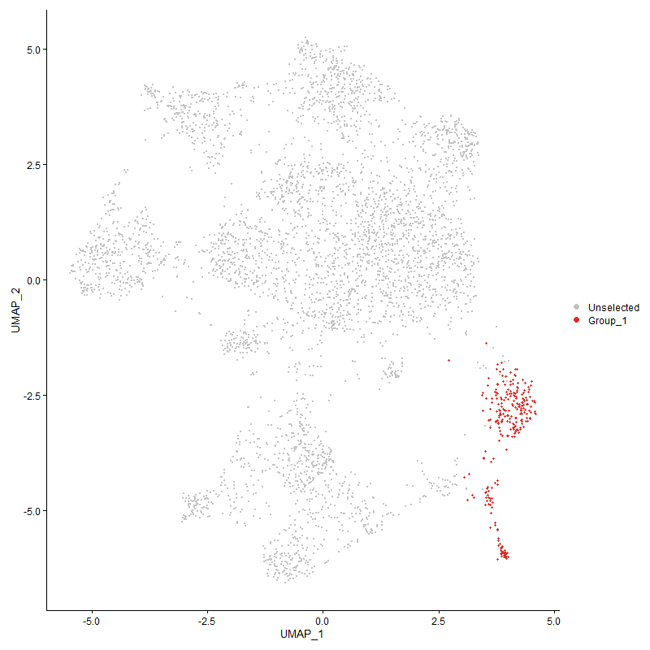
 | p_val | avg_log2FC | pct.1 | pct.2 | p_val_adj | cluster | gene
GNLY | 2.9200532179E-07 | 2.592196744 | 0.252 | 0.153 | 0.004459213269 | 4 | GNLY
RPS15A | 7.0542805056E-158 | 2.0306667378 | 1 | 0.519 | 1.077259176E-153 | 4 | RPS15A
RPL29 | 3.8999021585E-144 | 1.9972823872 | 0.988 | 0.565 | 5.9555405862E-140 | 4 | RPL29
RPL35A | 5.6811475501E-154 | 1.9646636697 | 0.996 | 0.557 | 8.6756804238E-150 | 4 | RPL35A
RPLP1 | 1.0073727624E-138 | 1.9382516712 | 0.996 | 0.682 | 1.5383589454E-134 | 4 | RPLP1
RPLP2 | 4.4981615149E-144 | 1.938133296 | 0.996 | 0.705 | 6.8691424494E-140 | 4 | RPLP2
RPL34 | 3.2230592045E-155 | 1.9127861845 | 0.996 | 0.527 | 4.9219337112E-151 | 4 | RPL34
RPS11 | 2.0540505971E-149 | 1.8942588656 | 1 | 0.555 | 3.1367406668E-145 | 4 | RPS11
RPL11 | 1.73492439E-159 | 1.8844907868 | 0.988 | 0.449 | 2.6494030359E-155 | 4 | RPL11
RPS17 | 4.719417005E-149 | 1.8825254123 | 1 | 0.646 | 7.2070217083E-145 | 4 | RPS17
RPL27A | 2.577983936E-154 | 1.8719549383 | 0.977 | 0.442 | 3.9368392686E-150 | 4 | RPL27A
RPL14 | 1.6199892463E-151 | 1.854189762 | 0.992 | 0.504 | 2.473885578E-147 | 4 | RPL14
RPL32 | 3.3024314686E-146 | 1.8476392255 | 1 | 0.534 | 5.0431430957E-142 | 4 | RPL32
TPT1 | 7.8487946896E-134 | 1.8227294737 | 0.992 | 0.563 | 1.1985894371E-129 | 4 | TPT1
LOC419545 | 1.548247694E-110 | 1.7817706607 | 0.961 | 0.514 | 2.3643290535E-106 | 4 | LOC419545 | uncharacterized
RPL36A | 9.3429006791E-148 | 1.7763847723 | 1 | 0.509 | 1.4267543627E-143 | 4 | RPL36A
RPS20 | 5.954330141E-138 | 1.7562823972 | 0.988 | 0.522 | 9.0928575583E-134 | 4 | RPS20
RPS16 | 1.0315212123E-144 | 1.7337944896 | 0.996 | 0.525 | 1.5752360434E-140 | 4 | RPS16
RPL31 | 3.430077772E-167 | 1.72156027 | 0.988 | 0.374 | 5.2380717657E-163 | 4 | RPL31
RPL23A | 3.5928010397E-150 | 1.717111688 | 0.996 | 0.5 | 5.4865664678E-146 | 4 | RPL23A
RPS14 | 3.5124987973E-143 | 1.7144885271 | 0.988 | 0.58 | 5.3639369133E-139 | 4 | RPS14
RPS24 | 2.5698512655E-127 | 1.7132760486 | 0.981 | 0.6 | 3.9244198675E-123 | 4 | RPS24
RPS3A | 2.5508493238E-134 | 1.701654501 | 0.996 | 0.638 | 3.8954020024E-130 | 4 | RPS3A
RPL21 | 5.127108583E-133 | 1.6785575816 | 0.996 | 0.713 | 7.8296075172E-129 | 4 | RPL21
EEF1A1 | 1.038512796E-136 | 1.6762128066 | 1 | 0.758 | 1.5859128908E-132 | 4 | EEF1A1
RPL26L1 | 2.542165635E-144 | 1.670146258 | 0.992 | 0.482 | 3.8821411412E-140 | 4 | RPL26L1
RPS27 | 3.0527766917E-141 | 1.6647041211 | 1 | 0.745 | 4.6618952858E-137 | 4 | RPS27
RPL8 | 2.2973768168E-139 | 1.663912082 | 1 | 0.567 | 3.5083241369E-135 | 4 | RPL8
RPS21 | 1.2933845373E-145 | 1.663464925 | 0.973 | 0.44 | 1.9751275269E-141 | 4 | RPS21
RPS25 | 5.5897937858E-139 | 1.6438776464 | 0.973 | 0.444 | 8.5361740904E-135 | 4 | RPS25
RPL9 | 4.012638993E-142 | 1.6340059648 | 0.95 | 0.397 | 6.1277010062E-138 | 4 | RPL9
RPL30 | 2.3928036658E-148 | 1.6320191489 | 0.957 | 0.386 | 3.654050478E-144 | 4 | RPL30
RPS8 | 1.7390125439E-124 | 1.625072228 | 0.984 | 0.574 | 2.6556460557E-120 | 4 | RPS8
RPS15 | 7.625188749E-131 | 1.6230112752 | 1 | 0.702 | 1.1644425739E-126 | 4 | RPS15
ITGB1BP3 | 2.0608281982E-136 | 1.6181375482 | 0.961 | 0.444 | 3.1470907415E-132 | 4 | ITGB1BP3
RPL24 | 1.7790426802E-131 | 1.6096364226 | 0.981 | 0.537 | 2.7167760769E-127 | 4 | RPL24
RPL15 | 2.5675003475E-130 | 1.6057732464 | 0.992 | 0.584 | 3.9208297807E-126 | 4 | RPL15
CD3D | 1.119275995E-146 | 1.6043465899 | 0.934 | 0.339 | 1.7092463719E-142 | 4 | CD3D
RPL37A | 2.1039510517E-131 | 1.5963326202 | 1 | 0.639 | 3.2129436511E-127 | 4 | RPL37A
RPL12 | 2.2552674462E-139 | 1.59090764 | 0.965 | 0.418 | 3.4440189171E-135 | 4 | RPL12
RPL23 | 6.4977956988E-129 | 1.5908567208 | 0.992 | 0.645 | 9.9227838116E-125 | 4 | RPL23
RPL17 | 2.2233599679E-134 | 1.5497032988 | 0.953 | 0.405 | 3.395293007E-130 | 4 | RPL17
RPS28 | 5.5486773595E-131 | 1.5217683709 | 1 | 0.692 | 8.4733851957E-127 | 4 | RPS28
RPS27A | 4.770033972E-117 | 1.5008442093 | 0.981 | 0.611 | 7.2843188786E-113 | 4 | RPS27A
RPL37 | 3.2948878449E-130 | 1.4861407761 | 0.984 | 0.482 | 5.031623228E-126 | 4 | RPL37
RPL35 | 8.924829676E-123 | 1.4826973108 | 0.973 | 0.519 | 1.3629107398E-118 | 4 | RPL35
RPL7 | 1.7724666421E-125 | 1.4817962995 | 0.973 | 0.472 | 2.7067338092E-121 | 4 | RPL7
RPS13 | 3.0053857268E-144 | 1.4789208027 | 0.934 | 0.335 | 4.5895245433E-140 | 4 | RPS13
RPL18A | 2.4032375568E-132 | 1.4636635765 | 0.961 | 0.436 | 3.669984073E-128 | 4 | RPL18A
RPS3 | 2.0410705244E-126 | 1.4557337255 | 0.981 | 0.534 | 3.1169187978E-122 | 4 | RPS3
RPS4Y1 | 1.7403473764E-127 | 1.4501332971 | 0.95 | 0.429 | 2.6576844784E-123 | 4 | RPS4Y1
RPL38 | 2.6526123759E-130 | 1.4241787042 | 0.969 | 0.439 | 4.0508043593E-126 | 4 | RPL38
RPL19 | 7.8424099286E-116 | 1.4214991629 | 0.969 | 0.491 | 1.1976144202E-111 | 4 | RPL19
RPS7 | 8.7275387763E-129 | 1.4209836393 | 0.977 | 0.48 | 1.3327824465E-124 | 4 | RPS7
TMSB4X | 1.3427698655E-108 | 1.4134908439 | 1 | 0.898 | 2.0505438616E-104 | 4 | TMSB4X
NME2 | 5.8822447942E-136 | 1.4096813351 | 0.907 | 0.345 | 8.9827760252E-132 | 4 | NME2
RACK1 | 7.7532375306E-116 | 1.4076533315 | 0.973 | 0.511 | 1.1839969033E-111 | 4 | RACK1
RPL22 | 1.5124161054E-122 | 1.3963394175 | 0.973 | 0.513 | 2.3096106346E-118 | 4 | RPL22
RPS29 | 5.5171078964E-114 | 1.3819738325 | 0.984 | 0.517 | 8.4251754686E-110 | 4 | RPS29
RPS12 | 5.6462611978E-106 | 1.3772762019 | 0.957 | 0.567 | 8.6224054751E-102 | 4 | RPS12
RPL6 | 1.5151197075E-103 | 1.3703310195 | 0.981 | 0.586 | 2.3137393054E-99 | 4 | RPL6
RPL10A | 2.7982653583E-125 | 1.3670546176 | 0.942 | 0.413 | 4.2732310286E-121 | 4 | RPL10A
RPL13 | 3.9442375197E-108 | 1.3507785585 | 0.992 | 0.658 | 6.0232451163E-104 | 4 | RPL13
RPL7A | 2.0256468632E-114 | 1.3369686259 | 0.946 | 0.443 | 3.0933653248E-110 | 4 | RPL7A
EEF1B2 | 5.7002603852E-118 | 1.3360210222 | 0.93 | 0.397 | 8.7048676342E-114 | 4 | EEF1B2
RPL3 | 3.6146810208E-120 | 1.3314686872 | 0.942 | 0.402 | 5.5199793868E-116 | 4 | RPL3
RPS10 | 8.8729198906E-111 | 1.3215959247 | 0.984 | 0.604 | 1.3549835965E-106 | 4 | RPS10
PLACL2 | 2.5218104896E-87 | 1.2747095287 | 0.969 | 0.515 | 3.8510567987E-83 | 4 | PLACL2
RPS26 | 6.1102852997E-88 | 1.2732938124 | 0.969 | 0.526 | 9.3310166812E-84 | 4 | RPS26
RPS23 | 2.1657717205E-103 | 1.2654976607 | 0.969 | 0.496 | 3.3073499944E-99 | 4 | RPS23
RPL27 | 4.9573679863E-104 | 1.2551729964 | 0.934 | 0.459 | 7.5703966519E-100 | 4 | RPL27
RPSAP58 | 1.0740834197E-102 | 1.2255267744 | 0.992 | 0.539 | 1.6402327903E-98 | 4 | RPSAP58
PPIA | 7.6193083172E-93 | 1.2088099329 | 0.849 | 0.349 | 1.1635445731E-88 | 4 | PPIA
RPL36 | 3.07126393E-125 | 1.2083223462 | 0.953 | 0.394 | 4.6901271475E-121 | 4 | RPL36
RPS6 | 6.7555849193E-102 | 1.1758696098 | 0.919 | 0.421 | 1.031645373E-97 | 4 | RPS6
RPS2 | 5.0844934959E-97 | 1.1691563134 | 0.946 | 0.473 | 7.7645300175E-93 | 4 | RPS2
RPL39L | 1.2520911989E-80 | 1.1440811537 | 0.992 | 0.678 | 1.9120684699E-76 | 4 | RPL39L
RPLP0 | 9.1263504644E-78 | 1.141252039 | 0.953 | 0.598 | 1.3936849794E-73 | 4 | RPLP0
RPL5 | 1.951329845E-96 | 1.1157613287 | 0.95 | 0.465 | 2.9798758063E-92 | 4 | RPL5
EEF1D | 1.0006097434E-82 | 1.0612083667 | 0.837 | 0.372 | 1.5280311392E-78 | 4 | EEF1D
TCF74 | 3.128087635E-41 | 1.0563244907 | 0.822 | 0.526 | 4.7769026274E-37 | 4 | TCF7
UBB | 1.3376964184E-104 | 1.0459546632 | 0.86 | 0.319 | 2.0427962006E-100 | 4 | UBB
LOC776816 | 2.7070726429E-69 | 1.0273797174 | 0.996 | 0.782 | 4.133970633E-65 | 4 | LOC776816
RAC2 | 1.1977556723E-77 | 1.0165981051 | 0.698 | 0.247 | 1.8290926872E-73 | 4 | RAC2
TRBV6-54 | 1.2529798055E-51 | 0.96909145101 | 0.946 | 0.596 | 1.913425461E-47 | 4 | TRBV6-5
H3F3C | 1.2851657151E-67 | 0.94502916405 | 0.938 | 0.613 | 1.9625765636E-63 | 4 | H3F3C
UBA52 | 1.4672750905E-71 | 0.93775895208 | 0.895 | 0.45 | 2.2406757907E-67 | 4 | UBA52
BTG12 | 2.3711330624E-63 | 0.9334081936 | 0.961 | 0.688 | 3.6209572996E-59 | 4 | BTG1
CD3E2 | 5.7551310026E-91 | 0.92519210502 | 0.829 | 0.302 | 8.7886605541E-87 | 4 | CD3E
YBX1 | 6.7024838786E-64 | 0.88840486914 | 0.802 | 0.375 | 1.0235363131E-59 | 4 | YBX1
PTMS | 6.2673634294E-65 | 0.85915852588 | 0.717 | 0.286 | 9.570890693E-61 | 4 | PTMS
LOC101747587 | 1.4196798637E-52 | 0.84941507655 | 0.977 | 0.696 | 2.1679931199E-48 | 4 | LOC101747587 | polyubiquitin-C-like [ Gallus gallus (chicken) ]
RPL4 | 1.7492385834E-58 | 0.84046688102 | 0.973 | 0.612 | 2.6712622407E-54 | 4 | RPL4
TOMM7 | 2.1792939873E-82 | 0.8372259591 | 0.655 | 0.204 | 3.327999848E-78 | 4 | TOMM7
ACTB | 2.096476036E-37 | 0.83641557813 | 0.953 | 0.684 | 3.2015285546E-33 | 4 | ACTB
LOC107056413 | 3.4899503125E-54 | 0.82968064569 | 0.818 | 0.411 | 5.3295031223E-50 | 4 | LOC107056413 | protein tyrosine phosphatase receptor type C-associated protein-like [ Gallus gallus (chicken) ]
LOC770612 | 6.6045439933E-67 | 0.813136045 | 0.775 | 0.316 | 1.0085799132E-62 | 4 | LOC770612 | interferon-induced transmembrane protein 1-like [ Gallus gallus (chicken) ]
NPM1 | 5.1304672189E-52 | 0.78477448117 | 0.837 | 0.434 | 7.8347364901E-48 | 4 | NPM1
COX7B | 4.2120782146E-106 | 0.75735608323 | 0.616 | 0.144 | 6.4322646415E-102 | 4 | COX7B
CD44 | 1.6049611766E-123 | 0.72528232599 | 0.581 | 0.111 | 2.4509362127E-119 | 4 | CD4
PTMA | 2.4214069943E-41 | 0.72058922558 | 0.981 | 0.787 | 3.697730621E-37 | 4 | PTMA
KIF1BP | 2.001670057E-53 | 0.71427156706 | 0.938 | 0.707 | 3.0567503441E-49 | 4 | KIF1BP
URM1 | 1.1058256613E-114 | 0.70010831652 | 0.519 | 0.097 | 1.6887063674E-110 | 4 | URM1
SH3BGRL3 | 1.5720188976E-55 | 0.69760039232 | 0.636 | 0.252 | 2.4006300585E-51 | 4 | SH3BGRL3
MYL6 | 9.9203308892E-47 | 0.67406568426 | 0.702 | 0.317 | 1.5149337301E-42 | 4 | MYL6
IL2RG | 7.8361601285E-57 | 0.67049678047 | 0.674 | 0.266 | 1.1966600132E-52 | 4 | IL2RG
EIF3K | 1.2189053608E-78 | 0.66484457177 | 0.519 | 0.131 | 1.8613903765E-74 | 4 | EIF3K
LOC100859737 | 6.3637255559E-41 | 0.65639934895 | 0.5 | 0.185 | 9.7180452963E-37 | 4 | LOC100859737
COX4I1 | 6.9596353087E-61 | 0.65080712176 | 0.667 | 0.245 | 1.062805908E-56 | 4 | COX4I1
SERBP1 | 5.0320187855E-50 | 0.64862362476 | 0.783 | 0.38 | 7.6843958874E-46 | 4 | SERBP1
COX5A | 2.6699215724E-86 | 0.64253854149 | 0.519 | 0.121 | 4.0772372332E-82 | 4 | COX5A
NSA2 | 1.5161082102E-61 | 0.6425079972 | 0.574 | 0.187 | 2.3152488478E-57 | 4 | NSA2
EEF2 | 5.7655592753E-43 | 0.63680744498 | 0.841 | 0.461 | 8.8045855694E-39 | 4 | EEF2
ZNF593 | 3.4200038604E-54 | 0.62770750089 | 0.64 | 0.245 | 5.2226878952E-50 | 4 | ZNF593
ARPC1B | 9.2758202585E-38 | 0.61989536699 | 0.578 | 0.246 | 1.4165105117E-33 | 4 | ARPC1B
EIF3E | 3.7677109381E-46 | 0.61497020417 | 0.643 | 0.282 | 5.7536713736E-42 | 4 | EIF3E
EIF3M | 3.1866110892E-65 | 0.60977052092 | 0.624 | 0.205 | 4.8662737943E-61 | 4 | EIF3M
ATP5D | 2.7463648493E-56 | 0.60872561958 | 0.543 | 0.175 | 4.1939737613E-52 | 4 | ATP5D
CHCHD2 | 4.328265763E-48 | 0.60789370875 | 0.628 | 0.254 | 6.6096946467E-44 | 4 | CHCHD2
COX6C | 1.0106734669E-98 | 0.60183296369 | 0.543 | 0.116 | 1.5433994512E-94 | 4 | COX6C
SLC25A6 | 3.1224117333E-41 | 0.59192136746 | 0.585 | 0.241 | 4.7682349579E-37 | 4 | SLC25A6
SATB14 | 2.1341511884E-33 | 0.58950043337 | 0.841 | 0.444 | 3.2590622797E-29 | 4 | SATB1
TRAT14 | 4.0910698163E-47 | 0.57799365633 | 0.729 | 0.295 | 6.2474727165E-43 | 4 | TRAT1
STMN1 | 9.2621887397E-70 | 0.56892105558 | 0.411 | 0.091 | 1.4144288424E-65 | 4 | STMN1
COX7A2 | 3.1538800636E-68 | 0.5683143551 | 0.434 | 0.104 | 4.8162902452E-64 | 4 | COX7A2
EIF3F | 2.9564836932E-63 | 0.56000891323 | 0.562 | 0.169 | 4.5148462479E-59 | 4 | EIF3F
CD284 | 5.2309380758E-43 | 0.5554429551 | 0.558 | 0.203 | 7.9881655355E-39 | 4 | CD28
ATP5L | 3.2977365583E-41 | 0.55527828456 | 0.516 | 0.194 | 5.0359734982E-37 | 4 | ATP5L
GZMA | 1.3410534013E-18 | 0.5487142383 | 0.136 | 0.034 | 2.0479226491E-14 | 4 | GZMA
IER5 | 1.447791173E-25 | 0.54826843012 | 0.57 | 0.313 | 2.2109219002E-21 | 4 | IER5
SLC22A33 | 1.1780602906E-27 | 0.54774281628 | 0.57 | 0.265 | 1.7990158697E-23 | 4 | SLC22A3
NACA | 1.481518131E-48 | 0.54527573488 | 0.64 | 0.251 | 2.2624263379E-44 | 4 | NACA
ARPC4 | 9.2994523663E-31 | 0.5436317767 | 0.581 | 0.282 | 1.4201193709E-26 | 4 | ARPC4
EEF1G | 1.6657684848E-28 | 0.54185476181 | 0.783 | 0.479 | 2.5437950531E-24 | 4 | EEF1G
HNRNPA1 | 4.2326442896E-34 | 0.54066317109 | 0.543 | 0.239 | 6.4636710947E-30 | 4 | HNRNPA1
TAPBP | 1.316131767E-51 | 0.53726648315 | 0.643 | 0.242 | 2.0098648214E-47 | 4 | TAPBP
PPIB | 6.2502967126E-45 | 0.53708132865 | 0.55 | 0.21 | 9.5448281098E-41 | 4 | PPIB
B2M | 4.0132675423E-51 | 0.52616711668 | 0.581 | 0.206 | 6.1286608638E-47 | 4 | B2M
RHOA | 1.0686991517E-30 | 0.52582855076 | 0.756 | 0.422 | 1.6320104745E-26 | 4 | RHOA
TOMM20 | 3.1702098465E-43 | 0.52350273828 | 0.492 | 0.177 | 4.8412274566E-39 | 4 | TOMM20
EIF3H | 5.2482632291E-32 | 0.5161458569 | 0.667 | 0.334 | 8.0146227772E-28 | 4 | EIF3H
IL7R4 | 1.3350907799E-21 | 0.51570252276 | 0.632 | 0.346 | 2.03881713E-17 | 4 | IL7R
COX7C | 2.7712106003E-74 | 0.51472129068 | 0.446 | 0.1 | 4.2319157077E-70 | 4 | COX7C
H3F3B | 7.2445234908E-26 | 0.51259423262 | 0.93 | 0.763 | 1.1063111823E-21 | 4 | H3F3B
CALM1 | 1.8561644748E-28 | 0.50955953623 | 0.783 | 0.472 | 2.8345487695E-24 | 4 | CALM1
NRARP2 | 1.2395786069E-72 | 0.50780296851 | 0.415 | 0.088 | 1.8929604906E-68 | 4 | NRARP
FKBP1A | 2.0034919525E-29 | 0.50582299802 | 0.302 | 0.099 | 3.0595325606E-25 | 4 | FKBP1A
LOC107049545 | 1.3685691918E-47 | 0.50474447468 | 0.453 | 0.143 | 2.0899420127E-43 | 4 | LOC107049545
PIK3IP1 | 1.6444424194E-40 | 0.50058979637 | 0.5 | 0.186 | 2.5112280187E-36 | 4 | PIK3IP1
EIF5A2 | 3.7572573768E-44 | 0.49871505191 | 0.605 | 0.24 | 5.7377077401E-40 | 4 | EIF5A2
BF1 | 3.2496445519E-30 | 0.49795776263 | 0.864 | 0.572 | 4.9625321952E-26 | 4 | BF1
SUMO3 | 1.5015794951E-50 | 0.49577596947 | 0.477 | 0.146 | 2.2930620469E-46 | 4 | SUMO3
EIF1 | 7.4582890341E-27 | 0.49514629671 | 0.795 | 0.502 | 1.1389553184E-22 | 4 | EIF1
DSTN | 8.8747885687E-18 | 0.49506456486 | 0.845 | 0.658 | 1.3552689623E-13 | 4 | DSTN
ARPC2 | 1.8819371079E-28 | 0.49287007893 | 0.593 | 0.296 | 2.8739061575E-24 | 4 | ARPC2
ADSL | 5.6648341549E-92 | 0.48427763098 | 0.434 | 0.08 | 8.650768238E-88 | 4 | ADSL
COX8A | 3.8493400459E-31 | 0.4803871565 | 0.547 | 0.245 | 5.878327184E-27 | 4 | COX8A
SUMO2 | 1.3218322769E-43 | 0.47510509076 | 0.578 | 0.217 | 2.0185700701E-39 | 4 | SUMO2
ZFP36L22 | 4.3177805501E-22 | 0.4703218845 | 0.717 | 0.441 | 6.593682678E-18 | 4 | ZFP36L2
CALM2 | 2.7154971278E-23 | 0.4673893749 | 0.655 | 0.366 | 4.1468356638E-19 | 4 | CALM2
MRPS21 | 1.0869841383E-46 | 0.46692600212 | 0.399 | 0.116 | 1.6599334776E-42 | 4 | MRPS21
ANP32B | 1.6856944074E-34 | 0.46489914436 | 0.512 | 0.211 | 2.5742239295E-30 | 4 | ANP32B
HMGN4 | 2.2132510474E-32 | 0.46292195877 | 0.539 | 0.224 | 3.3798556744E-28 | 4 | HMGN4
TPI1 | 1.1371634517E-51 | 0.46076603846 | 0.403 | 0.108 | 1.7365623071E-47 | 4 | TPI1
MYC2 | 6.7348436113E-28 | 0.45997181643 | 0.516 | 0.232 | 1.0284779679E-23 | 4 | MYC
ATP5G3 | 8.9608891724E-40 | 0.45932490096 | 0.419 | 0.138 | 1.3684173855E-35 | 4 | ATP5G3
SET | 5.5062393773E-31 | 0.45731385318 | 0.554 | 0.25 | 8.4085781531E-27 | 4 | SET
ZFP36L1 | 2.0896476565E-21 | 0.45631100017 | 0.938 | 0.797 | 3.1911009362E-17 | 4 | ZFP36L1
ATP5G2 | 1.0705060829E-57 | 0.45449415103 | 0.438 | 0.115 | 1.6347698392E-53 | 4 | ATP5G2
ROMO1 | 2.0736603528E-42 | 0.45399369535 | 0.453 | 0.15 | 3.1666867248E-38 | 4 | ROMO1
MYL12B | 7.4350267351E-40 | 0.45373032505 | 0.527 | 0.2 | 1.1354029327E-35 | 4 | MYL12B
SVBP | 3.3376619072E-41 | 0.45317254134 | 0.477 | 0.167 | 5.0969434985E-37 | 4 | SVBP
LOC429682 | 1.0654200375E-31 | 0.45314760567 | 0.527 | 0.225 | 1.6270029393E-27 | 4 | LOC429682
PABPC1 | 2.9994134776E-21 | 0.45214869129 | 0.907 | 0.673 | 4.5804043216E-17 | 4 | PABPC1
MIF | 5.2975893099E-49 | 0.45141815814 | 0.38 | 0.101 | 8.0899486351E-45 | 4 | MIF
SMAD73 | 4.7622572263E-14 | 0.45063985609 | 0.512 | 0.299 | 7.2724430103E-10 | 4 | SMAD7
MYL12A | 3.1803872181E-39 | 0.44800671459 | 0.446 | 0.153 | 4.8567693207E-35 | 4 | MYL12A
HN1 | 1.6008421482E-40 | 0.44479915388 | 0.419 | 0.133 | 2.4446460445E-36 | 4 | HN1
C14orf2 | 1.9283384E-57 | 0.44374338219 | 0.353 | 0.079 | 2.9447655706E-53 | 4 | C14orf2
UBASH3A4 | 5.0483968513E-27 | 0.44288346659 | 0.659 | 0.322 | 7.7094068317E-23 | 4 | UBASH3A
ARF6 | 1.8260936168E-24 | 0.44240797251 | 0.651 | 0.366 | 2.7886275621E-20 | 4 | ARF6
RNASEK | 1.7404250432E-42 | 0.43878514715 | 0.496 | 0.173 | 2.6578030835E-38 | 4 | RNASEK
ZNF706 | 3.7060908894E-24 | 0.43855367945 | 0.508 | 0.248 | 5.6595713973E-20 | 4 | ZNF706
PLP2 | 5.2026373008E-46 | 0.43628159296 | 0.407 | 0.118 | 7.9449474221E-42 | 4 | PLP2
PSMB5 | 1.4845953112E-31 | 0.43593348098 | 0.539 | 0.236 | 2.2671254997E-27 | 4 | PSMB5
HSP90AA1 | 1.2384413995E-23 | 0.43476678741 | 0.651 | 0.339 | 1.8912238612E-19 | 4 | HSP90AA1
GATD3AL1 | 8.9197350167E-41 | 0.43411229075 | 0.349 | 0.1 | 1.3621327344E-36 | 4 | GATD3AL1
LBR | 9.0596901452E-23 | 0.42975464991 | 0.64 | 0.353 | 1.3835052821E-18 | 4 | LBR
ELOB | 2.4803901847E-54 | 0.42822682026 | 0.395 | 0.1 | 3.7878038511E-50 | 4 | ELOB
DDX52 | 2.364379357E-20 | 0.42813100451 | 0.957 | 0.857 | 3.6106437161E-16 | 4 | DDX5
SAP18 | 8.6000873725E-29 | 0.42373532745 | 0.465 | 0.199 | 1.3133193427E-24 | 4 | SAP18
HDGF | 3.4117056495E-27 | 0.42219882346 | 0.465 | 0.201 | 5.2100156973E-23 | 4 | HDGF
HINTW1 | 1.0646928444E-46 | 0.41940945428 | 0.388 | 0.106 | 1.6258924427E-42 | 4 | HINTW
SPCS3 | 1.2142168004E-24 | 0.41628644631 | 0.543 | 0.268 | 1.8542304759E-20 | 4 | SPCS3
GNG5 | 8.0794102338E-34 | 0.41616414004 | 0.461 | 0.174 | 1.2338067368E-29 | 4 | GNG5
SELENOW | 3.1059923202E-29 | 0.41476128109 | 0.469 | 0.195 | 4.7431608721E-25 | 4 | SELENOW
RBM3 | 8.887049508E-15 | 0.41255188644 | 0.461 | 0.272 | 1.3571413304E-10 | 4 | RBM3
ATP5J | 1.4756428767E-51 | 0.41208112503 | 0.364 | 0.09 | 2.253454237E-47 | 4 | ATP5J
ATP5O | 2.4806524471E-48 | 0.41067056537 | 0.403 | 0.111 | 3.788204352E-44 | 4 | ATP5O
POLD4 | 3.6282525618E-28 | 0.40905277354 | 0.547 | 0.252 | 5.5407044871E-24 | 4 | POLD4
C12orf75 | 1.6241353383E-26 | 0.40888067109 | 0.403 | 0.161 | 2.4802170751E-22 | 4 | C12orf75
SEPTIN6 | 2.0549854897E-30 | 0.4086692782 | 0.516 | 0.224 | 3.1381683414E-26 | 4 | SEPTIN6
UQCC3 | 1.4466456557E-22 | 0.40854040629 | 0.453 | 0.214 | 2.2091725809E-18 | 4 | UQCC3
ZNRF1 | 8.1732805455E-37 | 0.40549046264 | 0.43 | 0.149 | 1.2481416721E-32 | 4 | ZNRF1
LOC124417243 | 3.7578684327E-44 | 0.40434313115 | 0.442 | 0.137 | 5.7386408835E-40 | 4 | LOC124417243
ATP5B | 1.1935195125E-30 | 0.40351409287 | 0.446 | 0.174 | 1.8226236475E-26 | 4 | ATP5B
LOC124417242 | 2.8471728806E-64 | 0.4030051999 | 0.434 | 0.102 | 4.347917706E-60 | 4 | LOC124417242
ABRACL | 2.5397519765E-49 | 0.40136255372 | 0.36 | 0.091 | 3.8784552432E-45 | 4 | ABRACL
H2AZ2 | 2.514844586E-31 | 0.40091167043 | 0.376 | 0.131 | 3.8404191673E-27 | 4 | H2AZ2
ICOS4 | 2.2931794037E-32 | 0.39972157341 | 0.43 | 0.154 | 3.5019142673E-28 | 4 | ICOS
GRAP23 | 1.9179263947E-21 | 0.39800899073 | 0.651 | 0.351 | 2.9288653973E-17 | 4 | GRAP2
MGAT4A4 | 7.523797108E-22 | 0.39665787499 | 0.86 | 0.574 | 1.1489590564E-17 | 4 | MGAT4A
SCIN | 2.4643491432E-29 | 0.39649120577 | 0.473 | 0.186 | 3.7633075767E-25 | 4 | SCIN
ZC3H15 | 2.1013426641E-24 | 0.39630815193 | 0.504 | 0.242 | 3.2089603823E-20 | 4 | ZC3H15
HOPX | 1.4143226709E-14 | 0.39585835915 | 0.345 | 0.174 | 2.1598121507E-10 | 4 | HOPX
RRS1 | 1.5780642993E-51 | 0.39579587019 | 0.322 | 0.073 | 2.4098619914E-47 | 4 | RRS1
OST4 | 3.1503856105E-26 | 0.3944906711 | 0.465 | 0.204 | 4.8109538658E-22 | 4 | OST4
LOC107052389 | 2.0066211128E-39 | 0.3907426626 | 0.395 | 0.123 | 3.0643111013E-35 | 4 | LOC107052389
EIF4A2 | 1.3737400559E-18 | 0.38815062637 | 0.791 | 0.554 | 2.0978384394E-14 | 4 | EIF4A2
NCL | 8.2089918092E-21 | 0.38582562802 | 0.709 | 0.433 | 1.2535951392E-16 | 4 | NCL
CORO1C | 2.5535209206E-16 | 0.38543529739 | 0.663 | 0.436 | 3.8994817979E-12 | 4 | CORO1C
HSPA8 | 5.580619755E-16 | 0.38465665759 | 0.469 | 0.255 | 8.5221644279E-12 | 4 | HSPA8
RGS1 | 3.2111739727E-14 | 0.38300973508 | 0.798 | 0.599 | 4.9037837737E-10 | 4 | RGS1
NDUFC2 | 2.2343026058E-52 | 0.3819698415 | 0.31 | 0.067 | 3.4120035093E-48 | 4 | NDUFC2
PRELID1 | 4.0794798097E-39 | 0.38169242537 | 0.395 | 0.124 | 6.2297736174E-35 | 4 | PRELID1
ATP5J2 | 5.0903320066E-52 | 0.38155345071 | 0.372 | 0.092 | 7.7734460073E-48 | 4 | ATP5J2
SKP1 | 8.6494498344E-38 | 0.38005072377 | 0.399 | 0.128 | 1.3208574842E-33 | 4 | SKP1
KCTD12B | 1.709635171E-29 | 0.37894623086 | 0.403 | 0.152 | 2.6107838697E-25 | 4 | KCTD12B
COX6A1 | 5.2091109675E-22 | 0.37204199116 | 0.484 | 0.237 | 7.9548333585E-18 | 4 | COX6A1
HNRNPAB | 1.0630718795E-22 | 0.37179131467 | 0.516 | 0.255 | 1.6234170672E-18 | 4 | HNRNPAB
UBL5 | 6.4989328272E-29 | 0.3709549343 | 0.345 | 0.12 | 9.9245203204E-25 | 4 | UBL5
DBI | 3.9634400221E-35 | 0.37065406569 | 0.306 | 0.087 | 6.0525692577E-31 | 4 | DBI
HMGB1 | 9.6019620602E-15 | 0.36984377705 | 0.729 | 0.501 | 1.4663156262E-10 | 4 | HMGB1
ATPIF1 | 2.637304248E-29 | 0.36767095894 | 0.415 | 0.158 | 4.0274273171E-25 | 4 | ATPIF1
HSPE1 | 3.3922197655E-36 | 0.36639023418 | 0.264 | 0.066 | 5.1802588039E-32 | 4 | HSPE1
NAP1L1 | 3.2990651433E-15 | 0.36471270846 | 0.554 | 0.322 | 5.0380023803E-11 | 4 | NAP1L1
GZMM | 2.7233671616E-25 | 0.36395643448 | 0.209 | 0.057 | 4.1588539924E-21 | 4 | GZMM
LOC420368 | 2.1964323744E-43 | 0.36295301399 | 0.36 | 0.099 | 3.354171879E-39 | 4 | LOC420368
ADD33 | 4.2421299265E-16 | 0.36237073105 | 0.806 | 0.561 | 6.4781566108E-12 | 4 | ADD3
NDUFA1 | 7.4262029E-52 | 0.35927257868 | 0.31 | 0.067 | 1.1340554449E-47 | 4 | NDUFA1
PTRH2 | 7.4937461786E-59 | 0.35695055715 | 0.306 | 0.06 | 1.1443699789E-54 | 4 | PTRH2
SHFM1 | 9.0715752864E-24 | 0.35523390109 | 0.384 | 0.158 | 1.385320262E-19 | 4 | SHFM1
HNRNPDL | 7.6024019559E-19 | 0.35378190818 | 0.655 | 0.391 | 1.1609628027E-14 | 4 | HNRNPDL
TOMM5 | 3.199172688E-44 | 0.35202934783 | 0.388 | 0.109 | 4.8854566118E-40 | 4 | TOMM5
SNRPD1 | 1.4419587304E-30 | 0.34800112321 | 0.395 | 0.144 | 2.2020151771E-26 | 4 | SNRPD1
ANXA6 | 4.8437723376E-18 | 0.34322097671 | 0.372 | 0.174 | 7.3969247367E-14 | 4 | ANXA6
BTF3 | 3.419521792E-54 | 0.34233314312 | 0.275 | 0.053 | 5.2219517285E-50 | 4 | BTF3
ATP5I | 2.6916578812E-30 | 0.33838595736 | 0.291 | 0.088 | 4.1104307503E-26 | 4 | ATP5I
FYB13 | 3.8741750992E-24 | 0.3368763575 | 0.694 | 0.349 | 5.916252794E-20 | 4 | FYB1
MRPL43 | 4.6067706652E-48 | 0.33431886909 | 0.345 | 0.085 | 7.0349994828E-44 | 4 | MRPL43
ARHGDIB | 1.0998385279E-26 | 0.33396712792 | 0.403 | 0.158 | 1.6795634159E-22 | 4 | ARHGDIB
NDUFB11 | 5.8563658023E-27 | 0.3336043336 | 0.364 | 0.135 | 8.9432562166E-23 | 4 | NDUFB11
SNRPF | 1.2505024856E-38 | 0.33318805578 | 0.314 | 0.084 | 1.9096423458E-34 | 4 | SNRPF
FAM32A | 2.733252743E-40 | 0.33237512807 | 0.353 | 0.099 | 4.1739502639E-36 | 4 | FAM32A
ATP5PB | 1.3147058757E-31 | 0.33227915088 | 0.372 | 0.127 | 2.0076873428E-27 | 4 | ATP5PB
BCL11B4 | 1.9322779867E-15 | 0.33141160869 | 0.95 | 0.624 | 2.9507817134E-11 | 4 | BCL11B
LOC101747670 | 1.2426139965E-75 | 0.33076788793 | 0.283 | 0.042 | 1.8975958341E-71 | 4 | LOC101747670
MAGOH | 2.3494873939E-29 | 0.33036386388 | 0.318 | 0.102 | 3.5879021992E-25 | 4 | MAGOH
SERF2 | 8.4421812378E-15 | 0.32784961556 | 0.624 | 0.397 | 1.2892054968E-10 | 4 | SERF2
LOC107051795 | 7.5069953997E-42 | 0.32625417659 | 0.349 | 0.095 | 1.1463932675E-37 | 4 | LOC107051795
TOMM6 | 2.301788521E-26 | 0.32377683431 | 0.333 | 0.118 | 3.5150612504E-22 | 4 | TOMM6
TIMM13 | 5.3276896403E-21 | 0.32190805168 | 0.318 | 0.125 | 8.1359148497E-17 | 4 | TIMM13
INTS5 | 1.186061398E-22 | 0.3218985021 | 0.372 | 0.151 | 1.8112343608E-18 | 4 | INTS5
ENO1 | 9.0361353286E-12 | 0.31960806514 | 0.554 | 0.351 | 1.379908226E-07 | 4 | ENO1
LDHB | 2.3453375157E-25 | 0.31842491853 | 0.252 | 0.077 | 3.5815649202E-21 | 4 | LDHB
HDAC1 | 5.933233191E-21 | 0.31634856336 | 0.345 | 0.142 | 9.060640406E-17 | 4 | HDAC1
NDUFB4 | 3.9304967014E-35 | 0.31510827473 | 0.283 | 0.076 | 6.0022615127E-31 | 4 | NDUFB4
TMED2 | 3.3283140122E-18 | 0.31507869371 | 0.36 | 0.163 | 5.082668328E-14 | 4 | TMED2
RILPL2 | 2.898399685E-59 | 0.3129281571 | 0.287 | 0.052 | 4.4261461589E-55 | 4 | RILPL2
SSBP1 | 2.5336724862E-54 | 0.31235096789 | 0.267 | 0.05 | 3.8691712537E-50 | 4 | SSBP1
ARPC3 | 1.73905298E-09 | 0.31124222179 | 0.267 | 0.144 | 2.6557078058E-05 | 4 | ARPC3
PSMB4 | 3.266535863E-40 | 0.31099118319 | 0.322 | 0.085 | 4.9883269164E-36 | 4 | PSMB4
DUSP1 | 1.2355974304E-10 | 0.3101897175 | 0.554 | 0.366 | 1.8868808359E-06 | 4 | DUSP1
SNRNP25 | 1.2964424614E-33 | 0.30984756481 | 0.353 | 0.111 | 1.9797972827E-29 | 4 | SNRNP25
LOC101748814 | 4.6542723731E-31 | 0.30924108772 | 0.213 | 0.051 | 7.107539341E-27 | 4 | LOC101748814
GLIPR1L | 1.6183323837E-16 | 0.30839768291 | 0.364 | 0.167 | 2.4713553832E-12 | 4 | GLIPR1L
SNRPD3 | 3.7416914004E-33 | 0.30715072902 | 0.314 | 0.093 | 5.7139369376E-29 | 4 | SNRPD3
CYTIP | 4.9968845003E-18 | 0.3053888412 | 0.477 | 0.243 | 7.6307423204E-14 | 4 | CYTIP
CXCR4 | 3.4057212318E-14 | 0.30437657033 | 0.403 | 0.213 | 5.2008768931E-10 | 4 | CXCR4
BTLA | 2.0098175707E-15 | 0.30408757553 | 0.36 | 0.169 | 3.0691924122E-11 | 4 | BTLA
COTL1 | 9.7237106665E-16 | 0.30272083579 | 0.504 | 0.273 | 1.4849078559E-11 | 4 | COTL1
PRDX1 | 3.7054650517E-08 | 0.30269240233 | 0.333 | 0.204 | 0.00056586156804 | 4 | PRDX1
UQCRHL | 5.442501107E-40 | 0.30189943291 | 0.291 | 0.072 | 8.3112434405E-36 | 4 | UQCRHL
ETS22 | 3.1532168312E-14 | 0.30183799856 | 0.508 | 0.286 | 4.815277423E-10 | 4 | ETS2
...

