Clustered cells
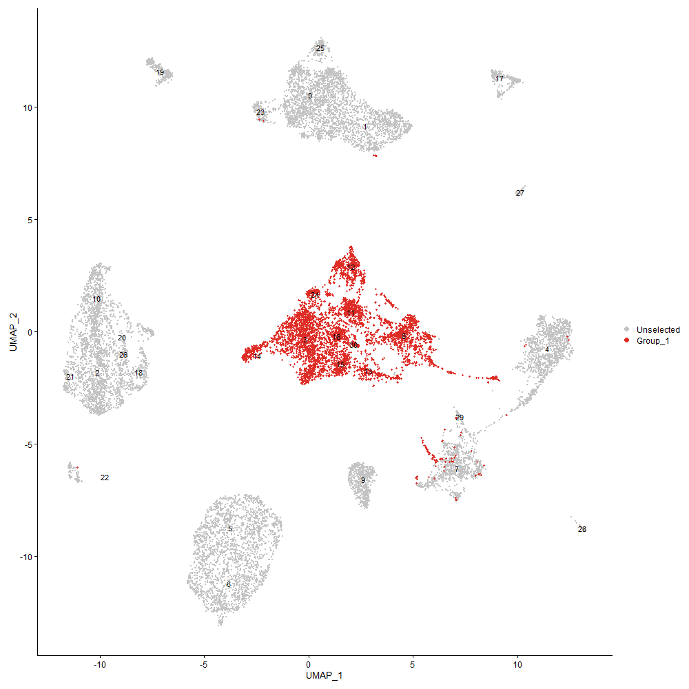
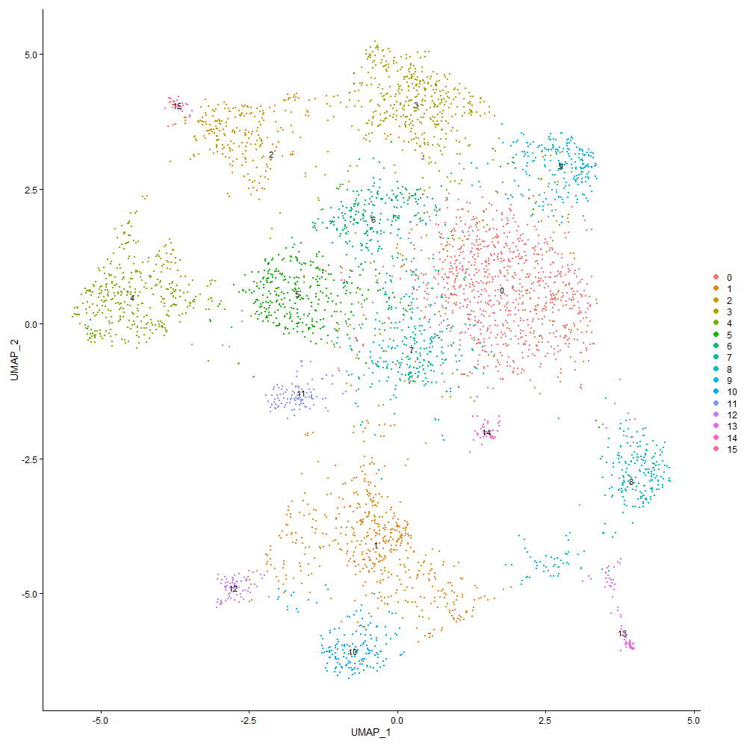

Cluster0
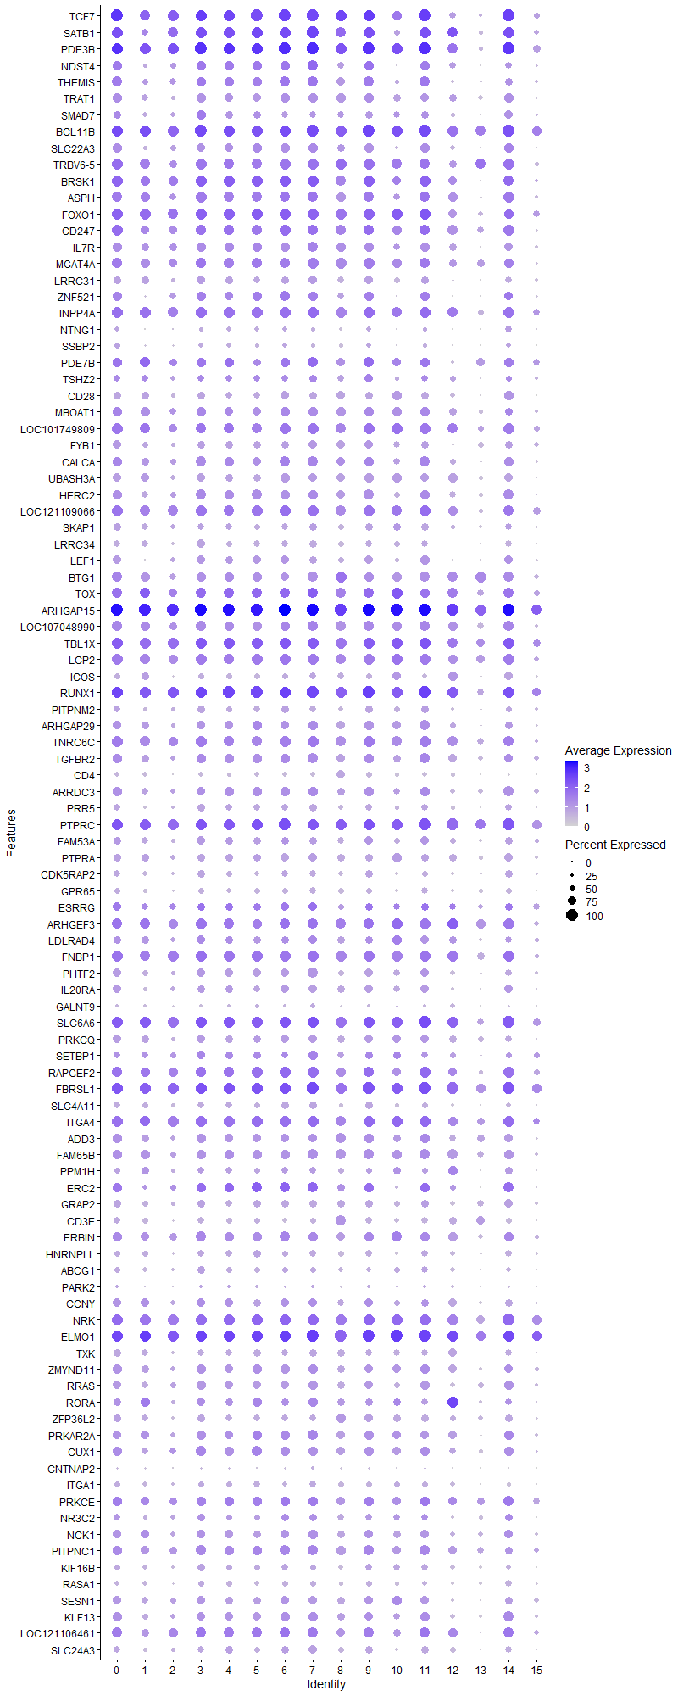
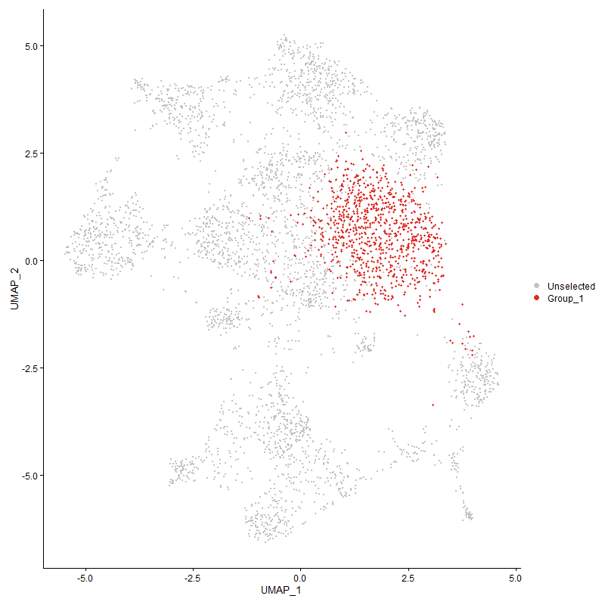
 | p_val | avg_log2FC | pct.1 | pct.2 | p_val_adj | cluster | gene
TCF7 | 0 | 1.7850135287 | 1 | 0.504 | 0 | 0 | TCF7 | Transcription factor 7 | T-cell differentiation => Th2 or memory Tcells
SATB1 | 0 | 1.4901152118 | 0.989 | 0.42 | 0 | 0 | SATB1 | special AT-rich sequence-binding protein-1 | transcription regulation 10.1080/19491034.2020.1775037
PDE3B | 9.5840979271E-263 | 1.2246232534 | 0.999 | 0.791 | 1.4635875944E-258 | 0 | PDE3B | Phosphodiesterase 3 | regulation of activation? 10.3390/genes10090718
NDST4 | 1.7048644455E-294 | 1.2192771728 | 0.823 | 0.262 | 2.6034984947E-290 | 0 | NDST4 | N-Deacetylase And N-Sulfotransferase 4
THEMIS | 2.3914116731E-307 | 1.1941439593 | 0.857 | 0.282 | 3.6519247659E-303 | 0 | THEMIS | Thymocyte Selection Associated | T cell specific protein important for late thymocyte development https://doi.org/10.1038/ni0110-97d
TRAT1 | 1.5713381335E-302 | 1.0845227852 | 0.82 | 0.272 | 2.3995904637E-298 | 0 | TRAT1 | T Cell Receptor Associated Transmembrane Adaptor 1
SMAD7 | 1.4074221929E-151 | 1.0484764616 | 0.66 | 0.282 | 2.1492744308E-147 | 0 | SMAD7 | Mothers against decapentaplegic homolog 7 | T-cell differentiation 10.1007/s00109-021-02083-1
BCL11B | 1.5563555338E-204 | 1.0182750898 | 0.994 | 0.608 | 2.3767105357E-200 | 0 | BCL11B | B-cell lymphoma/leukemia 11B | T-lineage regulatory factor 10.3389/fimmu.2021.669498
SLC22A3 | 3.3384927166E-275 | 1.0167214372 | 0.774 | 0.241 | 5.0982122274E-271 | 0 | SLC22A3 | Solute carrier family 22 member 3
TRBV6-5 | 7.938855761E-184 | 0.99861283729 | 0.937 | 0.583 | 1.2123426633E-179 | 0 | TRBV6-5 | T cell receptor beta variable 6-5
BRSK1 | 7.7912774619E-182 | 0.97036754429 | 0.949 | 0.545 | 1.1898059812E-177 | 0 | BRSK1 | BR serine/threonine kinase 1
ASPH | 2.6351758102E-159 | 0.87586287021 | 0.89 | 0.489 | 4.0241769797E-155 | 0 | ASPH | Aspartyl/asparaginyl beta-hydroxylase
FOXO1 | 4.6310406397E-141 | 0.86778348982 | 0.961 | 0.669 | 7.0720621608E-137 | 0 | FOXO1 | Forkhead box protein O1 | T-cell regulation 10.1016/j.coi.2020.02.001
CD247 | 3.4246389722E-150 | 0.85166566349 | 0.94 | 0.539 | 5.2297661744E-146 | 0 | CD247 | CD3z
IL7R | 2.5297063359E-176 | 0.84210256577 | 0.78 | 0.326 | 3.8631145455E-172 | 0 | IL7R
MGAT4A | 6.6834711069E-156 | 0.83452128724 | 0.903 | 0.56 | 1.0206328727E-151 | 0 | MGAT4A
LRRC31 | 6.5039453163E-293 | 0.83297991571 | 0.669 | 0.171 | 9.9321748925E-289 | 0 | LRRC31
ZNF521 | 4.8522199974E-150 | 0.81922142724 | 0.777 | 0.335 | 7.409825158E-146 | 0 | ZNF521
INPP4A | 4.1479068053E-134 | 0.79777965824 | 0.947 | 0.711 | 6.3342684824E-130 | 0 | INPP4A
NTNG1 | 1.1566432434E-168 | 0.78936662291 | 0.422 | 0.11 | 1.7663098969E-164 | 0 | NTNG1
SSBP2 | 2.3644560676E-152 | 0.78897530771 | 0.475 | 0.146 | 3.6107608609E-148 | 0 | SSBP2
PDE7B | 1.2795033388E-116 | 0.76761882754 | 0.816 | 0.429 | 1.9539295487E-112 | 0 | PDE7B
TSHZ2 | 4.5709090718E-88 | 0.75284290753 | 0.59 | 0.282 | 6.9802352435E-84 | 0 | TSHZ2
CD28 | 8.1634862042E-277 | 0.74605545456 | 0.682 | 0.182 | 1.2466459782E-272 | 0 | CD28
MBOAT1 | 2.5035648635E-94 | 0.74238310159 | 0.803 | 0.521 | 3.8231939031E-90 | 0 | MBOAT1
LOC101749809 | 1.4324914302E-112 | 0.6753832128 | 0.92 | 0.537 | 2.1875576631E-108 | 0 | LOC101749809 | connector enhancer of kinase suppressor of ras 2-like [ Gallus gallus (chicken) ]
FYB1 | 9.0196190776E-117 | 0.66515469004 | 0.703 | 0.335 | 1.3773860293E-112 | 0 | FYB1
CALCA | 1.0658386591E-83 | 0.66475756172 | 0.81 | 0.523 | 1.6276422164E-79 | 0 | CALCA
UBASH3A | 2.8726571087E-147 | 0.66230107874 | 0.715 | 0.306 | 4.3868346706E-143 | 0 | UBASH3A
HERC2 | 4.2686694678E-105 | 0.65251241677 | 0.805 | 0.489 | 6.5186851443E-101 | 0 | HERC2
LOC121109066 | 1.8134464968E-95 | 0.6378041843 | 0.938 | 0.679 | 2.7693141452E-91 | 0 | LOC121109066
SKAP1 | 2.5939987527E-117 | 0.62581679109 | 0.62 | 0.267 | 3.9612954953E-113 | 0 | SKAP1
LRRC34 | 3.8346524439E-208 | 0.62397178528 | 0.575 | 0.163 | 5.855897747E-204 | 0 | LRRC34
LEF1 | 1.8911747714E-112 | 0.6205810013 | 0.688 | 0.319 | 2.8880129934E-108 | 0 | LEF1
BTG1 | 1.7737981656E-98 | 0.60812088597 | 0.892 | 0.681 | 2.7087671786E-94 | 0 | BTG1
TOX | 7.4965714545E-95 | 0.60657622556 | 0.866 | 0.504 | 1.1448014268E-90 | 0 | TOX
ARHGAP15 | 5.7887117187E-125 | 0.60490424777 | 1 | 0.982 | 8.8399416656E-121 | 0 | ARHGAP15
LOC107048990 | 6.1347836171E-90 | 0.5949923618 | 0.872 | 0.601 | 9.3684280616E-86 | 0 | LOC107048990
TBL1X | 4.3553004124E-77 | 0.59328884753 | 0.965 | 0.808 | 6.6509792598E-73 | 0 | TBL1X
LCP2 | 1.9268743622E-96 | 0.5928668149 | 0.932 | 0.648 | 2.9425298385E-92 | 0 | LCP2
ICOS | 5.3780639745E-162 | 0.57676190189 | 0.482 | 0.14 | 8.2128414954E-158 | 0 | ICOS
RUNX1 | 1.4118919617E-97 | 0.57581511352 | 0.998 | 0.918 | 2.1561002147E-93 | 0 | RUNX1
PITPNM2 | 8.9142181092E-95 | 0.56956005409 | 0.599 | 0.281 | 1.3612902475E-90 | 0 | PITPNM2
ARHGAP29 | 2.1191359903E-93 | 0.56411905462 | 0.765 | 0.407 | 3.2361325708E-89 | 0 | ARHGAP29
TNRC6C | 1.3935646191E-80 | 0.56239515467 | 0.937 | 0.749 | 2.1281125298E-76 | 0 | TNRC6C
TGFBR2 | 6.0392277179E-62 | 0.55899632571 | 0.795 | 0.562 | 9.222504648E-58 | 0 | TGFBR2
CD4 | 5.0982623262E-181 | 0.54725002998 | 0.417 | 0.101 | 7.7855563983E-177 | 0 | CD4 |  | low?
ARRDC3 | 5.1439409496E-74 | 0.54557196698 | 0.774 | 0.502 | 7.8553122241E-70 | 0 | ARRDC3
PRR5 | 1.4290018252E-88 | 0.54237828555 | 0.565 | 0.269 | 2.1822286873E-84 | 0 | PRR5
PTPRC | 3.7099475916E-92 | 0.53940210657 | 0.993 | 0.946 | 5.6654609671E-88 | 0 | PTPRC
FAM53A | 1.2805450758E-57 | 0.51588709266 | 0.678 | 0.42 | 1.9555203852E-53 | 0 | FAM53A
PTPRA | 8.6427695116E-89 | 0.51553936258 | 0.686 | 0.366 | 1.3198373321E-84 | 0 | PTPRA
CDK5RAP2 | 6.0387469979E-81 | 0.5145493175 | 0.586 | 0.301 | 9.2217705404E-77 | 0 | CDK5RAP2
GPR65 | 1.495213518E-79 | 0.51007051773 | 0.521 | 0.25 | 2.2833405633E-75 | 0 | GPR65
ESRRG | 6.2269184817E-36 | 0.5086911945 | 0.69 | 0.503 | 9.5091272133E-32 | 0 | ESRRG
ARHGEF3 | 1.5478969599E-70 | 0.50575734841 | 0.909 | 0.637 | 2.3637934474E-66 | 0 | ARHGEF3
LDLRAD4 | 1.4292323968E-42 | 0.50315107978 | 0.636 | 0.424 | 2.1825807932E-38 | 0 | LDLRAD4
FNBP1 | 3.0330516659E-72 | 0.50143602496 | 0.949 | 0.773 | 4.631773199E-68 | 0 | FNBP1
PHTF2 | 4.9101720231E-65 | 0.49703399267 | 0.705 | 0.448 | 7.4983236965E-61 | 0 | PHTF2
IL20RA | 4.9468003838E-109 | 0.49650465908 | 0.744 | 0.343 | 7.554258866E-105 | 0 | IL20RA
GALNT9 | 2.0410889248E-59 | 0.49629186477 | 0.278 | 0.104 | 3.116946897E-55 | 0 | GALNT9
SLC6A6 | 3.8875443381E-59 | 0.49616684643 | 0.964 | 0.881 | 5.9366689587E-55 | 0 | SLC6A6
PRKCQ | 2.9407896938E-72 | 0.49314839174 | 0.689 | 0.394 | 4.4908799415E-68 | 0 | PRKCQ
SETBP1 | 8.0741246127E-46 | 0.49105286872 | 0.587 | 0.352 | 1.2329995696E-41 | 0 | SETBP1
RAPGEF2 | 1.8885767037E-85 | 0.48416608031 | 0.883 | 0.634 | 2.8840454843E-81 | 0 | RAPGEF2
FBRSL1 | 1.3927923183E-73 | 0.48206907681 | 0.988 | 0.949 | 2.1269331492E-69 | 0 | FBRSL1
SLC4A11 | 1.0734318821E-94 | 0.48178937234 | 0.553 | 0.243 | 1.6392378272E-90 | 0 | SLC4A11
ITGA4 | 1.7521958648E-67 | 0.48046883598 | 0.943 | 0.785 | 2.6757783051E-63 | 0 | ITGA4
ADD3 | 1.6063094257E-53 | 0.47891482087 | 0.773 | 0.553 | 2.452995124E-49 | 0 | ADD3
FAM65B | 1.0865674043E-64 | 0.4776267165 | 0.831 | 0.572 | 1.6592970832E-60 | 0 | FAM65B
PPM1H | 1.5589443551E-65 | 0.46504335237 | 0.524 | 0.254 | 2.3806639247E-61 | 0 | PPM1H
ERC2 | 8.6200756426E-88 | 0.46121542237 | 0.768 | 0.368 | 1.3163717514E-83 | 0 | ERC2
GRAP2 | 2.2479666211E-76 | 0.4611231 | 0.642 | 0.34 | 3.4328698271E-72 | 0 | GRAP2
CD3E | 9.6781391653E-85 | 0.46074831732 | 0.601 | 0.294 | 1.4779486319E-80 | 0 | CD3E
ERBIN | 1.4667205782E-54 | 0.4585163473 | 0.83 | 0.617 | 2.239828995E-50 | 0 | ERBIN
HNRNPLL | 1.3245845216E-71 | 0.45596820566 | 0.525 | 0.258 | 2.0227730229E-67 | 0 | HNRNPLL
ABCG1 | 6.8090569984E-59 | 0.4557308554 | 0.519 | 0.274 | 1.0398110942E-54 | 0 | ABCG1
PARK2 | 2.2112511574E-12 | 0.45457325875 | 0.261 | 0.177 | 3.3768016425E-08 | 0 | PARK2
CCNY | 4.7759835283E-46 | 0.45439711743 | 0.706 | 0.473 | 7.2934044461E-42 | 0 | CCNY
NRK | 6.0958106242E-67 | 0.4518643157 | 0.98 | 0.845 | 9.3089124042E-63 | 0 | NRK
ELMO1 | 9.9138680529E-68 | 0.45182738341 | 0.997 | 0.913 | 1.5139467904E-63 | 0 | ELMO1
TXK | 1.1116068484E-82 | 0.45073325385 | 0.632 | 0.317 | 1.6975348182E-78 | 0 | TXK
ZMYND11 | 4.1102663921E-54 | 0.44766927598 | 0.782 | 0.537 | 6.2767878074E-50 | 0 | ZMYND11
RRAS | 6.0811706018E-56 | 0.44720587161 | 0.733 | 0.489 | 9.2865556261E-52 | 0 | RRAS
RORA | 4.0836652584E-77 | 0.44539802927 | 0.684 | 0.351 | 6.2361652161E-73 | 0 | RORA
ZFP36L2 | 3.0651114687E-52 | 0.44499880624 | 0.663 | 0.433 | 4.6807317239E-48 | 0 | ZFP36L2
PRKAR2A | 7.04146092E-52 | 0.44358244311 | 0.72 | 0.469 | 1.0753014971E-47 | 0 | PRKAR2A
CUX1 | 3.1165855394E-53 | 0.44338466387 | 0.822 | 0.609 | 4.7593377772E-49 | 0 | CUX1
CNTNAP2 | 3.4657547263E-44 | 0.44294693036 | 0.194 | 0.069 | 5.2925540426E-40 | 0 | CNTNAP2
ITGA1 | 3.9836420332E-69 | 0.44001090191 | 0.525 | 0.257 | 6.083419749E-65 | 0 | ITGA1
PRKCE | 1.0762807389E-49 | 0.43918349238 | 0.812 | 0.56 | 1.6435883164E-45 | 0 | PRKCE
NR3C2 | 2.9233771569E-39 | 0.43907252879 | 0.566 | 0.355 | 4.4642892563E-35 | 0 | NR3C2
NCK1 | 9.6156962342E-52 | 0.43633738597 | 0.724 | 0.479 | 1.4684129719E-47 | 0 | NCK1
PITPNC1 | 6.8111659728E-49 | 0.43019517796 | 0.82 | 0.626 | 1.0401331557E-44 | 0 | PITPNC1
KIF16B | 9.1181118103E-49 | 0.42959586648 | 0.516 | 0.296 | 1.3924268546E-44 | 0 | KIF16B
RASA1 | 4.2554136117E-71 | 0.42951164329 | 0.452 | 0.202 | 6.4984421265E-67 | 0 | RASA1
SESN1 | 4.4626492724E-61 | 0.42908012469 | 0.734 | 0.435 | 6.8149117039E-57 | 0 | SESN1
KLF13 | 2.3752550858E-42 | 0.42645205326 | 0.777 | 0.576 | 3.6272520416E-38 | 0 | KLF13
LOC121106461 | 5.8678683082E-46 | 0.42628554847 | 0.851 | 0.61 | 8.9608216935E-42 | 0 | LOC121106461
SLC24A3 | 5.4888283657E-54 | 0.42260976628 | 0.587 | 0.347 | 8.3819897972E-50 | 0 | SLC24A3
MACROD2 | 4.3633561674E-24 | 0.42208490149 | 0.55 | 0.4 | 6.6632812033E-20 | 0 | MACROD2
STK38L | 5.2941268952E-49 | 0.41938506489 | 0.669 | 0.425 | 8.0846611816E-45 | 0 | STK38L
HS6ST2 | 1.5962648072E-44 | 0.41868108051 | 0.552 | 0.327 | 2.4376559871E-40 | 0 | HS6ST2
DIP2B | 5.9211985501E-57 | 0.41300535957 | 0.699 | 0.435 | 9.0422623059E-53 | 0 | DIP2B
ARHGAP10 | 3.3509769694E-59 | 0.40988873811 | 0.463 | 0.22 | 5.11727693E-55 | 0 | ARHGAP10
UGT8 | 1.6088677097E-105 | 0.40639355929 | 0.358 | 0.11 | 2.4569018795E-101 | 0 | UGT8
TNS3 | 2.8549707453E-58 | 0.4040301464 | 0.505 | 0.263 | 4.3598258251E-54 | 0 | TNS3
ROCK1 | 1.6428528486E-38 | 0.40297144439 | 0.892 | 0.786 | 2.5088005851E-34 | 0 | ROCK1
PHACTR2 | 1.0136410117E-43 | 0.402418372 | 0.479 | 0.269 | 1.547931189E-39 | 0 | PHACTR2
PPM1A | 9.7054019439E-67 | 0.40178910637 | 0.52 | 0.265 | 1.4821119309E-62 | 0 | PPM1A
LOC419545 | 4.3545940416E-45 | 0.40164313694 | 0.731 | 0.509 | 6.649900561E-41 | 0 | LOC419545
DAPK1 | 1.9628036702E-36 | 0.40065743955 | 0.851 | 0.69 | 2.9973974847E-32 | 0 | DAPK1
MYC | 6.0918853408E-76 | 0.39570439498 | 0.49 | 0.222 | 9.302918104E-72 | 0 | MYC
SLCO3A1 | 3.3615521385E-50 | 0.39482582221 | 0.562 | 0.312 | 5.1334262707E-46 | 0 | SLCO3A1
ITK | 1.3339997151E-64 | 0.39091561008 | 0.537 | 0.269 | 2.037150965E-60 | 0 | ITK
P2RY8 | 2.5998759614E-39 | 0.38699499298 | 0.9 | 0.708 | 3.9702705807E-35 | 0 | P2RY8
SNRK | 1.4405496376E-49 | 0.38633061897 | 0.579 | 0.336 | 2.1998633516E-45 | 0 | SNRK
RAPH1 | 2.6853145341E-40 | 0.38562459723 | 0.306 | 0.144 | 4.100743825E-36 | 0 | RAPH1
SLC43A2 | 1.3491182581E-43 | 0.38433043884 | 0.735 | 0.53 | 2.0602384919E-39 | 0 | SLC43A2
NRARP | 3.5508497877E-115 | 0.38319038566 | 0.307 | 0.081 | 5.4225027109E-111 | 0 | NRARP
SLA | 1.0886888924E-35 | 0.37984741969 | 0.704 | 0.477 | 1.6625368077E-31 | 0 | SLA
SOS1 | 3.4472478008E-60 | 0.37913163176 | 0.536 | 0.281 | 5.2642921166E-56 | 0 | SOS1
LRBA | 3.9487275183E-42 | 0.37856680842 | 0.937 | 0.786 | 6.0301017932E-38 | 0 | LRBA
CBLB | 4.947855467E-53 | 0.37732121931 | 0.892 | 0.664 | 7.5558700836E-49 | 0 | CBLB
ETNK1 | 1.3250924116E-59 | 0.37671831833 | 0.502 | 0.262 | 2.0235486217E-55 | 0 | ETNK1
ABI1 | 1.6295695115E-37 | 0.37632188393 | 0.838 | 0.675 | 2.488515601E-33 | 0 | ABI1
ETS1 | 3.9265628246E-55 | 0.37549327902 | 0.949 | 0.71 | 5.9962540894E-51 | 0 | ETS1
PCGF5 | 5.0220565384E-48 | 0.37471180341 | 0.495 | 0.278 | 7.6691825398E-44 | 0 | PCGF5
ARAP2 | 3.7369178144E-44 | 0.37354668873 | 0.78 | 0.548 | 5.7066471944E-40 | 0 | ARAP2
HLCS | 1.500973191E-27 | 0.37262571611 | 0.553 | 0.366 | 2.29213616E-23 | 0 | HLCS
EVL | 9.9108232144E-43 | 0.37163393179 | 0.712 | 0.485 | 1.5134818131E-38 | 0 | EVL
CELF2 | 2.948845503E-40 | 0.37074772979 | 0.955 | 0.918 | 4.5031819676E-36 | 0 | CELF2
TSPAN18 | 1.0302315295E-105 | 0.369203316 | 0.32 | 0.09 | 1.5732665688E-101 | 0 | TSPAN18
SMCHD1 | 4.9775998575E-38 | 0.3683782379 | 0.726 | 0.53 | 7.6012927424E-34 | 0 | SMCHD1
PPP1R12A | 4.4214823313E-39 | 0.36769771738 | 0.925 | 0.812 | 6.7520456681E-35 | 0 | PPP1R12A
FBXW7 | 2.1961177893E-34 | 0.36714123325 | 0.556 | 0.354 | 3.353691476E-30 | 0 | FBXW7
ZNF704 | 4.3398669168E-42 | 0.36355508414 | 0.557 | 0.333 | 6.6274107686E-38 | 0 | ZNF704
ZCCHC24 | 9.4394960879E-37 | 0.36206694528 | 0.279 | 0.131 | 1.4415054476E-32 | 0 | ZCCHC24
EXTL3 | 1.5977989962E-50 | 0.36152118414 | 0.535 | 0.302 | 2.4399988472E-46 | 0 | EXTL3
SLC9A9 | 1.8187514147E-28 | 0.360284592 | 0.775 | 0.627 | 2.7774152853E-24 | 0 | SLC9A9
LOC107054740 | 2.0100898096E-51 | 0.35891768674 | 0.213 | 0.074 | 3.0696081482E-47 | 0 | LOC107054740
NCOA2 | 2.0245745562E-22 | 0.35824890961 | 0.761 | 0.622 | 3.0917278047E-18 | 0 | NCOA2
LOC107053124 | 9.7634264805E-70 | 0.35491736018 | 0.382 | 0.156 | 1.4909728578E-65 | 0 | LOC107053124
ACSL3 | 1.9573373443E-49 | 0.35294337848 | 0.452 | 0.235 | 2.9890498584E-45 | 0 | ACSL3
SMAD2 | 5.5316362836E-58 | 0.35256189992 | 0.293 | 0.113 | 8.4473617687E-54 | 0 | SMAD2
ST8SIA4 | 4.764235633E-29 | 0.35164680402 | 0.559 | 0.385 | 7.2754642352E-25 | 0 | ST8SIA4
TOX2 | 3.9242363689E-50 | 0.34883340319 | 0.517 | 0.276 | 5.992701359E-46 | 0 | TOX2
RASA3 | 1.2699213594E-35 | 0.34581330041 | 0.97 | 0.871 | 1.939296908E-31 | 0 | RASA3
PRKACB | 2.9625904866E-34 | 0.34580607318 | 0.669 | 0.47 | 4.5241719321E-30 | 0 | PRKACB
HINTW | 6.0774018453E-80 | 0.34507046333 | 0.303 | 0.099 | 9.280800358E-76 | 0 | HINTW
CD82 | 2.8433895583E-55 | 0.34414709972 | 0.566 | 0.313 | 4.3421401944E-51 | 0 | CD82
SLC9A7 | 1.082466024E-35 | 0.34304108204 | 0.551 | 0.344 | 1.6530338652E-31 | 0 | SLC9A7
LOC101752250 | 2.0965302389E-30 | 0.34281468289 | 0.39 | 0.224 | 3.2016113278E-26 | 0 | LOC101752250
CEP85L | 3.3779029827E-30 | 0.34079173534 | 0.833 | 0.68 | 5.1583956449E-26 | 0 | CEP85L
BMPR1A | 6.2900639029E-123 | 0.33920076904 | 0.229 | 0.045 | 9.6055565861E-119 | 0 | BMPR1A
DPEP2 | 4.2224324491E-97 | 0.33774678237 | 0.276 | 0.075 | 6.448076593E-93 | 0 | DPEP2
LOC431250 | 4.1040748933E-135 | 0.33455680309 | 0.253 | 0.05 | 6.2673327695E-131 | 0 | LOC431250
RFTN1 | 1.3423715445E-49 | 0.3341678703 | 0.732 | 0.446 | 2.0499355856E-45 | 0 | RFTN1
LOC769232 | 7.389106829E-39 | 0.33386830278 | 0.959 | 0.756 | 1.1283905039E-34 | 0 | LOC769232
MTMR10 | 7.797150175E-57 | 0.33342372411 | 0.474 | 0.238 | 1.1907028032E-52 | 0 | MTMR10
TBK1 | 8.543662067E-48 | 0.33015215261 | 0.498 | 0.274 | 1.3047026343E-43 | 0 | TBK1
LOC124417794 | 4.3682472496E-54 | 0.329747112 | 0.113 | 0.024 | 6.6707503749E-50 | 0 | LOC124417794
CD5 | 2.4286633136E-89 | 0.32944347864 | 0.329 | 0.107 | 3.7088117462E-85 | 0 | CD5
KLF12 | 5.9243323637E-46 | 0.32599854317 | 0.827 | 0.541 | 9.0470479526E-42 | 0 | KLF12
TRIM24 | 5.0007970417E-37 | 0.3244589466 | 0.34 | 0.174 | 7.6367171624E-33 | 0 | TRIM24
KDM4B | 1.4434395918E-31 | 0.32070792388 | 0.698 | 0.507 | 2.2042766007E-27 | 0 | KDM4B
LOC121113203 | 3.5346328346E-94 | 0.32049315739 | 0.304 | 0.089 | 5.3977378018E-90 | 0 | LOC121113203
TSNARE1 | 1.422382277E-26 | 0.31575421771 | 0.539 | 0.358 | 2.1721199753E-22 | 0 | TSNARE1
CCND1 | 4.2796387007E-55 | 0.31510974925 | 0.462 | 0.225 | 6.5354362599E-51 | 0 | CCND1
SP3 | 4.9651206123E-27 | 0.31154278478 | 0.636 | 0.455 | 7.5822356871E-23 | 0 | SP3
HS6ST1 | 2.7931750288E-30 | 0.3114677474 | 0.498 | 0.311 | 4.2654575865E-26 | 0 | HS6ST1
KCNQ5 | 3.879285984E-23 | 0.31088183687 | 0.794 | 0.601 | 5.9240576262E-19 | 0 | KCNQ5
LOC121113415 | 1.8033555515E-20 | 0.31070179187 | 0.375 | 0.243 | 2.7539042628E-16 | 0 | LOC121113415
AEBP2 | 4.7323535891E-28 | 0.31051711473 | 0.466 | 0.299 | 7.2267771659E-24 | 0 | AEBP2
STAT4 | 1.2849735992E-36 | 0.3093214607 | 0.604 | 0.381 | 1.9622831834E-32 | 0 | STAT4
TAB2 | 7.0102168808E-27 | 0.30816672139 | 0.449 | 0.287 | 1.0705302199E-22 | 0 | TAB2
PLXNB2 | 5.9271590614E-62 | 0.30798269176 | 0.216 | 0.065 | 9.0513646027E-58 | 0 | PLXNB2
IKZF1 | 8.311783005E-27 | 0.30777882654 | 0.884 | 0.732 | 1.2692923827E-22 | 0 | IKZF1
RB1CC1 | 3.9680103403E-25 | 0.30735422352 | 0.566 | 0.396 | 6.0595485907E-21 | 0 | RB1CC1
ADD1 | 9.1173599725E-32 | 0.30684480428 | 0.551 | 0.356 | 1.3923120414E-27 | 0 | ADD1
CD3D | 4.2740062377E-51 | 0.30358690823 | 0.596 | 0.334 | 6.5268349256E-47 | 0 | CD3D
TNRC6B | 1.2500120967E-24 | 0.30229683535 | 0.837 | 0.698 | 1.9088934729E-20 | 0 | TNRC6B
DDX5 | 9.6163911701E-33 | 0.30155162758 | 0.929 | 0.854 | 1.4685190956E-28 | 0 | DDX5
PRKCA | 5.4431562024E-36 | 0.29890212185 | 0.278 | 0.132 | 8.3122438366E-32 | 0 | PRKCA
PDSS2 | 2.8649123699E-24 | 0.29655317886 | 0.39 | 0.241 | 4.3750076801E-20 | 0 | PDSS2
APBA2 | 1.0343872696E-70 | 0.29590465882 | 0.178 | 0.043 | 1.5796127994E-66 | 0 | APBA2
DOCK2 | 3.7953498665E-32 | 0.29511737677 | 0.963 | 0.877 | 5.7958787812E-28 | 0 | DOCK2
LOC101748814 | 3.8888439825E-105 | 0.29393106953 | 0.213 | 0.044 | 5.9386536456E-101 | 0 | LOC101748814
SYNE1 | 5.9592956318E-30 | 0.2934518375 | 0.923 | 0.76 | 9.1004403594E-26 | 0 | SYNE1
SDK1 | 5.0956858546E-21 | 0.29174815373 | 0.473 | 0.32 | 7.7816218685E-17 | 0 | SDK1
PCMTD1 | 3.7179852881E-32 | 0.29125073339 | 0.718 | 0.503 | 5.6777353334E-28 | 0 | PCMTD1
SNX25 | 8.5091837699E-31 | 0.29117171167 | 0.475 | 0.29 | 1.2994374535E-26 | 0 | SNX25
ATP11B | 2.7963021209E-31 | 0.28787040514 | 0.42 | 0.249 | 4.2702329688E-27 | 0 | ATP11B
LPIN2 | 1.3061394997E-32 | 0.28670785358 | 0.498 | 0.313 | 1.9946056299E-28 | 0 | LPIN2
CDYL | 1.6915920353E-18 | 0.28481964924 | 0.286 | 0.173 | 2.5832301971E-14 | 0 | CDYL
DIP2C | 9.9325212137E-16 | 0.28472099765 | 0.22 | 0.129 | 1.5167953145E-11 | 0 | DIP2C
PDZD8 | 1.0078221924E-24 | 0.28238745789 | 0.356 | 0.216 | 1.53904527E-20 | 0 | PDZD8
SUPT3H | 1.4539515654E-18 | 0.28160572284 | 0.465 | 0.323 | 2.2203294355E-14 | 0 | SUPT3H
CD226 | 1.0612473478E-80 | 0.28141306595 | 0.448 | 0.17 | 1.6206308249E-76 | 0 | CD226
KIAA1549 | 7.7738905058E-37 | 0.28136006993 | 0.328 | 0.162 | 1.1871508191E-32 | 0 | KIAA1549
ETS2 | 7.2085185185E-46 | 0.27822702926 | 0.509 | 0.277 | 1.100812863E-41 | 0 | ETS2
DOK6 | 5.9613896592E-20 | 0.27680660686 | 0.173 | 0.084 | 9.1036381485E-16 | 0 | DOK6
GNB4 | 1.0523416305E-25 | 0.27542897186 | 0.666 | 0.495 | 1.607030904E-21 | 0 | GNB4
PREX1 | 1.7556771569E-35 | 0.27494102155 | 0.973 | 0.884 | 2.6810945863E-31 | 0 | PREX1
SPTBN1 | 7.0698546687E-28 | 0.2746635325 | 0.852 | 0.725 | 1.0796375065E-23 | 0 | SPTBN1
PFKP | 8.2792754335E-24 | 0.27436646254 | 0.514 | 0.349 | 1.2643281514E-19 | 0 | PFKP
SMAP1 | 1.9543995451E-26 | 0.27385577032 | 0.523 | 0.349 | 2.9845635453E-22 | 0 | SMAP1
FCHSD2 | 1.2936414812E-38 | 0.2731715506 | 0.404 | 0.217 | 1.975519906E-34 | 0 | FCHSD2
SRPK2 | 2.1086909388E-22 | 0.2725761194 | 0.5 | 0.338 | 3.2201819326E-18 | 0 | SRPK2
NRP1 | 6.6317784778E-41 | 0.27203321043 | 0.31 | 0.14 | 1.0127388913E-36 | 0 | NRP1
SIPA1L1 | 9.9396517338E-21 | 0.27092450751 | 0.495 | 0.34 | 1.5178842163E-16 | 0 | SIPA1L1
SREK1 | 9.7523860763E-32 | 0.27046142725 | 0.58 | 0.378 | 1.4892868777E-27 | 0 | SREK1
SKI | 1.7393012771E-13 | 0.26967449644 | 0.533 | 0.416 | 2.6560869803E-09 | 0 | SKI
GLIPR1L | 2.3032075778E-43 | 0.26792267685 | 0.34 | 0.16 | 3.517228292E-39 | 0 | GLIPR1L
ADAMTSL3 | 2.1446848611E-26 | 0.26682708262 | 0.196 | 0.089 | 3.2751482513E-22 | 0 | ADAMTSL3
PLCL1 | 2.9871778073E-25 | 0.26458410048 | 0.208 | 0.098 | 4.5617192296E-21 | 0 | PLCL1
LCORL | 1.4067001524E-17 | 0.26129529189 | 0.475 | 0.34 | 2.1481718027E-13 | 0 | LCORL
NCOA3 | 9.6693570822E-25 | 0.25891454792 | 0.654 | 0.464 | 1.47660752E-20 | 0 | NCOA3
RAPGEF6 | 4.8383541784E-21 | 0.25797645936 | 0.648 | 0.494 | 7.3886506658E-17 | 0 | RAPGEF6
MAP3K2 | 5.148665543E-29 | 0.25737638344 | 0.367 | 0.211 | 7.8625271507E-25 | 0 | MAP3K2
LOC124418341 | 2.2859780626E-26 | 0.25688820235 | 0.324 | 0.185 | 3.4909170994E-22 | 0 | LOC124418341
ACTN1 | 2.189516508E-24 | 0.25599768592 | 0.677 | 0.506 | 3.3436106594E-20 | 0 | ACTN1
LOC124418357 | 1.9568398739E-19 | 0.25596251236 | 0.503 | 0.347 | 2.9882901714E-15 | 0 | LOC124418357
ASXL3 | 1.8601264543E-38 | 0.25544858365 | 0.172 | 0.061 | 2.8405991084E-34 | 0 | ASXL3
PLCL2 | 4.0123576875E-20 | 0.25486420837 | 0.684 | 0.529 | 6.1272714246E-16 | 0 | PLCL2
KCNK7 | 1.0261948121E-29 | 0.25400587517 | 0.392 | 0.227 | 1.5671020975E-25 | 0 | KCNK7
FUBP1 | 1.0542226595E-22 | 0.25361812504 | 0.42 | 0.271 | 1.6099034233E-18 | 0 | FUBP1
RASGRP1 | 3.3165868247E-21 | 0.2525809181 | 0.588 | 0.42 | 5.06475974E-17 | 0 | RASGRP1
XRCC4 | 2.6067260827E-08 | 0.25233988002 | 0.193 | 0.132 | 0.00039807314009 | 0 | XRCC4
DLG1 | 6.3181463212E-22 | 0.25198778618 | 0.339 | 0.205 | 9.6484412471E-18 | 0 | DLG1
PIAS1 | 8.3556694428E-22 | 0.25104573555 | 0.613 | 0.462 | 1.2759942806E-17 | 0 | PIAS1

Cluster1
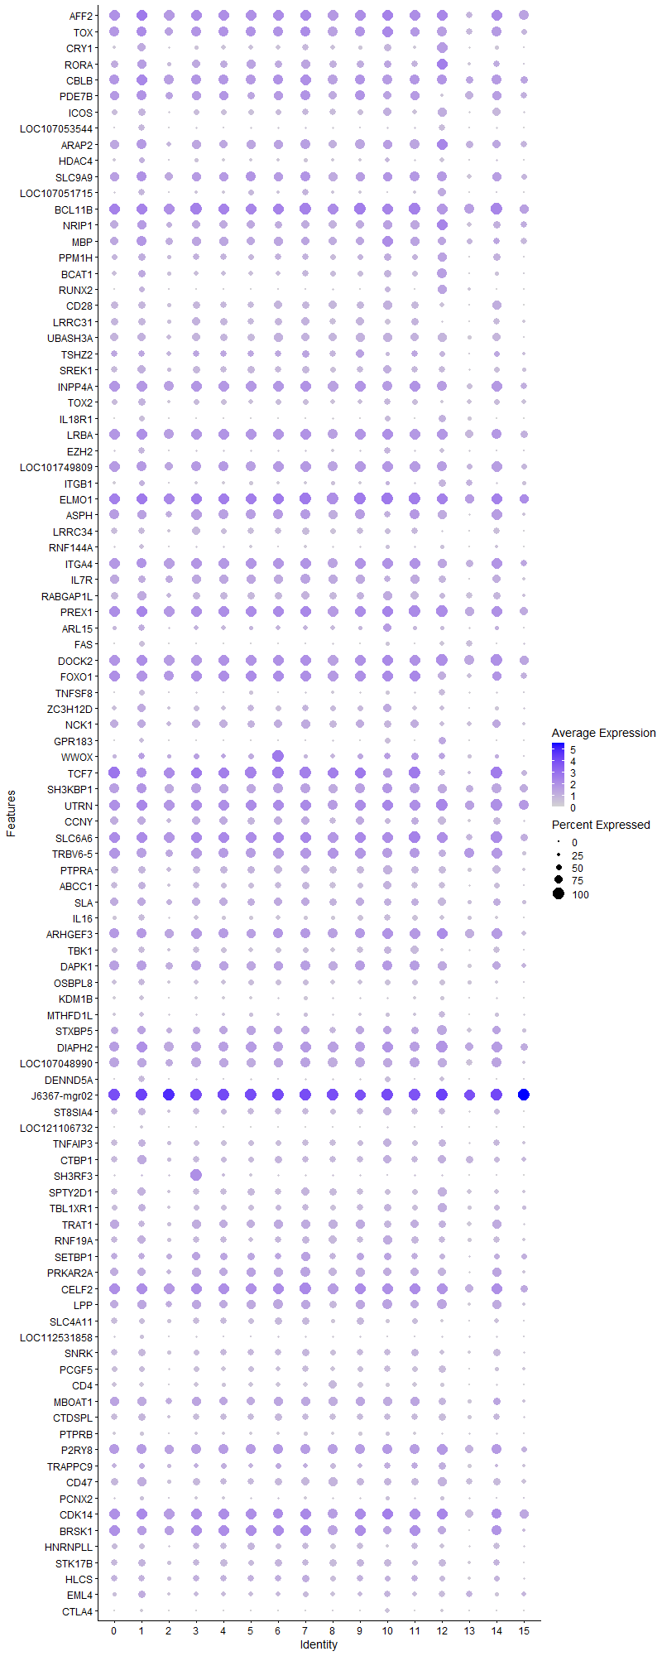
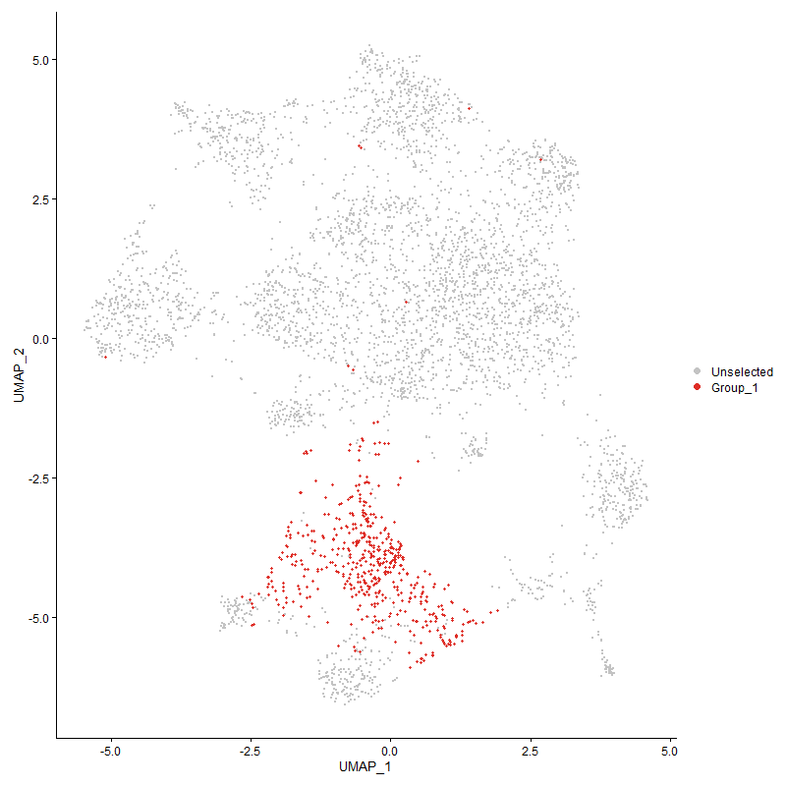
 | p_val | avg_log2FC | pct.1 | pct.2 | p_val_adj | cluster | gene
AFF2 | 2.7767256974E-104 | 1.1893564416 | 0.964 | 0.862 | 4.2403378125E-100 | 1 | AFF2 | AF4/FMR2 family member 2
TOX1 | 2.7936964884E-106 | 1.159636628 | 0.894 | 0.512 | 4.2662539074E-102 | 1 | TOX | Thymocyte selection-associated high mobility group box protein | 10.1093/cei/uxac037 Drives T-cell exhaustion and innate lymphoid cell development
CRY1 | 4.4447015273E-162 | 1.1219096399 | 0.741 | 0.257 | 6.7875037023E-158 | 1 | CRY1 | Cryptochrome Circadian Regulator 1
RORA1 | 9.2376239205E-100 | 1.0690094409 | 0.779 | 0.356 | 1.4106775489E-95 | 1 | RORA | RAR-related orphan receptor alpha | plays an essential role in the development of type 2 innate lymphoid cells (ILC2)
CBLB1 | 5.48149387E-81 | 1.0495636323 | 0.922 | 0.668 | 8.3707892888E-77 | 1 | CBLB
PDE7B1 | 2.3139799834E-94 | 1.0469232544 | 0.855 | 0.437 | 3.5336788326E-90 | 1 | PDE7B
ICOS1 | 3.9457968864E-236 | 0.99738305113 | 0.667 | 0.143 | 6.0256264252E-232 | 1 | ICOS
LOC107053544 | 2.1794184879E-301 | 0.9895979322 | 0.542 | 0.074 | 3.3281899728E-297 | 1 | LOC107053544 | uncharacterized
ARAP21 | 1.1158241609E-104 | 0.97878679082 | 0.912 | 0.55 | 1.7039750761E-100 | 1 | ARAP2
HDAC4 | 9.1388391133E-81 | 0.97290566002 | 0.52 | 0.204 | 1.395592121E-76 | 1 | HDAC4
SLC9A91 | 2.3777235163E-66 | 0.96718507084 | 0.884 | 0.627 | 3.6310215817E-62 | 1 | SLC9A9
LOC107051715 | 2.8046789611E-289 | 0.9587323342 | 0.566 | 0.083 | 4.2830252414E-285 | 1 | LOC107051715 | uncharacterized
BCL11B1 | 1.3968753913E-96 | 0.92177672688 | 0.986 | 0.618 | 2.13316841E-92 | 1 | BCL11B
NRIP1 | 6.9265472998E-73 | 0.90485184621 | 0.835 | 0.503 | 1.0577530382E-68 | 1 | NRIP1
MBP | 2.6819943322E-51 | 0.84859401935 | 0.857 | 0.665 | 4.0956735446E-47 | 1 | MBP
PPM1H1 | 9.9184081904E-98 | 0.83668617698 | 0.663 | 0.256 | 1.5146401148E-93 | 1 | PPM1H
BCAT1 | 7.1124160581E-53 | 0.83197355684 | 0.685 | 0.416 | 1.0861370562E-48 | 1 | BCAT1
RUNX2 | 8.7938522738E-78 | 0.8253735592 | 0.52 | 0.198 | 1.3429091807E-73 | 1 | RUNX2
CD281 | 6.5376659797E-136 | 0.79253164953 | 0.637 | 0.195 | 9.9836697175E-132 | 1 | CD28
LRRC311 | 9.0459484241E-135 | 0.78589382098 | 0.622 | 0.184 | 1.3814067838E-130 | 1 | LRRC31
UBASH3A1 | 4.708958226E-106 | 0.75959431751 | 0.755 | 0.314 | 7.1910501069E-102 | 1 | UBASH3A
TSHZ21 | 4.5257280377E-43 | 0.75044057591 | 0.574 | 0.29 | 6.9112392864E-39 | 1 | TSHZ2
SREK11 | 2.9673114183E-70 | 0.73825156714 | 0.705 | 0.379 | 4.5313812669E-66 | 1 | SREK1
INPP4A1 | 3.9199136719E-70 | 0.73364772501 | 0.936 | 0.717 | 5.9861001684E-66 | 1 | INPP4A
TOX21 | 4.7036708226E-72 | 0.71801940578 | 0.624 | 0.278 | 7.1829757132E-68 | 1 | TOX2
IL18R1 | 1.3266568186E-212 | 0.7136161463 | 0.46 | 0.073 | 2.0259376277E-208 | 1 | IL18R1 | interleukin-18 receptor 1
LRBA1 | 1.9439310404E-67 | 0.70694024373 | 0.972 | 0.788 | 2.9685770918E-63 | 1 | LRBA
EZH2 | 1.8470647065E-70 | 0.70155942069 | 0.55 | 0.221 | 2.8206525133E-66 | 1 | EZH2
LOC1017498091 | 3.887124545E-59 | 0.69961656922 | 0.888 | 0.547 | 5.9360278926E-55 | 1 | LOC101749809 | connector enhancer of kinase suppressor of ras 2-like [ Gallus gallus (chicken) ]
ITGB1 | 3.4968804333E-20 | 0.69429293186 | 0.474 | 0.333 | 5.3400861098E-16 | 1 | ITGB1
ELMO11 | 1.5322814527E-71 | 0.69425602567 | 0.998 | 0.915 | 2.3399470064E-67 | 1 | ELMO1
ASPH1 | 1.6533997527E-57 | 0.69243232308 | 0.833 | 0.5 | 2.5249067623E-53 | 1 | ASPH
LRRC341 | 6.4403805924E-124 | 0.67173116274 | 0.582 | 0.173 | 9.8351052026E-120 | 1 | LRRC34
RNF144A | 3.6634854076E-102 | 0.65969190256 | 0.412 | 0.107 | 5.5945085659E-98 | 1 | RNF144A
ITGA41 | 3.6139546467E-52 | 0.65855938065 | 0.912 | 0.79 | 5.518870141E-48 | 1 | ITGA4
IL7R1 | 1.6282854441E-56 | 0.65385978979 | 0.673 | 0.34 | 2.4865547016E-52 | 1 | IL7R
RABGAP1L | 2.1491996118E-63 | 0.64632117875 | 0.813 | 0.51 | 3.2820427272E-59 | 1 | RABGAP1L
PREX11 | 1.9589700126E-63 | 0.64463799901 | 0.992 | 0.885 | 2.9915431063E-59 | 1 | PREX1
ARL15 | 4.9252696122E-39 | 0.64140379628 | 0.538 | 0.286 | 7.5213792249E-35 | 1 | ARL15
FAS | 2.1761947211E-142 | 0.60677688171 | 0.472 | 0.105 | 3.3232669586E-138 | 1 | FAS
DOCK21 | 7.4386171442E-55 | 0.59447285832 | 0.97 | 0.879 | 1.1359512241E-50 | 1 | DOCK2
FOXO11 | 2.0026914728E-53 | 0.59331075327 | 0.946 | 0.677 | 3.0583101482E-49 | 1 | FOXO1
TNFSF8 | 4.3435960563E-77 | 0.57474416483 | 0.478 | 0.165 | 6.6331055376E-73 | 1 | TNFSF8
ZC3H12D | 1.3322746657E-59 | 0.56709122536 | 0.759 | 0.398 | 2.0345166419E-55 | 1 | ZC3H12D
NCK11 | 4.6151639136E-37 | 0.56516742939 | 0.725 | 0.485 | 7.0478168124E-33 | 1 | NCK1
GPR183 | 3.0927413481E-46 | 0.55023688839 | 0.4 | 0.166 | 4.7229253127E-42 | 1 | GPR183
WWOX | 3.6382547191E-24 | 0.54193348667 | 0.578 | 0.366 | 5.5559787816E-20 | 1 | WWOX
TCF71 | 2.7453994649E-49 | 0.54192120897 | 0.906 | 0.519 | 4.1924995229E-45 | 1 | TCF7
SH3KBP1 | 3.3913925779E-32 | 0.54143342334 | 0.91 | 0.796 | 5.1789956057E-28 | 1 | SH3KBP1
UTRN | 2.9375764195E-47 | 0.53515623003 | 0.99 | 0.918 | 4.4859729503E-43 | 1 | UTRN
CCNY1 | 2.1904190398E-29 | 0.52083168408 | 0.711 | 0.478 | 3.3449889157E-25 | 1 | CCNY
SLC6A61 | 1.4046000438E-29 | 0.51366636265 | 0.942 | 0.883 | 2.1449647269E-25 | 1 | SLC6A6
TRBV6-51 | 4.9909086032E-39 | 0.51334124086 | 0.873 | 0.593 | 7.6216165279E-35 | 1 | TRBV6-5
PTPRA1 | 3.9095697082E-48 | 0.5104873022 | 0.681 | 0.374 | 5.9703039014E-44 | 1 | PTPRA
ABCC1 | 1.092967266E-29 | 0.50487016 | 0.663 | 0.462 | 1.6690703119E-25 | 1 | ABCC1
SLA1 | 1.6061808989E-27 | 0.50299502841 | 0.703 | 0.483 | 2.4527988507E-23 | 1 | SLA
IL16 | 1.026987014E-64 | 0.50225108296 | 0.574 | 0.246 | 1.568311869E-60 | 1 | IL16
ARHGEF31 | 2.0703938012E-34 | 0.501839096 | 0.88 | 0.644 | 3.1616983737E-30 | 1 | ARHGEF3
TBK11 | 5.1665195655E-50 | 0.50124557881 | 0.562 | 0.277 | 7.8897920285E-46 | 1 | TBK1
DAPK11 | 6.5296568108E-36 | 0.50012359249 | 0.882 | 0.693 | 9.9714389157E-32 | 1 | DAPK1
OSBPL8 | 5.4163084807E-35 | 0.49872459362 | 0.578 | 0.35 | 8.2712446809E-31 | 1 | OSBPL8
KDM1B | 1.3635976923E-92 | 0.49803468351 | 0.426 | 0.123 | 2.0823500359E-88 | 1 | KDM1B
MTHFD1L | 6.539407904E-42 | 0.49486712655 | 0.4 | 0.171 | 9.9863298102E-38 | 1 | MTHFD1L
STXBP5 | 2.9153643249E-14 | 0.49274119626 | 0.691 | 0.58 | 4.4520528605E-10 | 1 | STXBP5
DIAPH2 | 1.9186296917E-36 | 0.49268443124 | 0.966 | 0.902 | 2.9299394022E-32 | 1 | DIAPH2
LOC1070489901 | 1.8704213213E-35 | 0.49182383121 | 0.833 | 0.608 | 2.8563203998E-31 | 1 | LOC107048990
DENND5A | 3.4544262463E-39 | 0.48694135811 | 0.56 | 0.291 | 5.2752543207E-35 | 1 | DENND5A
J6367-mgr02 | 4.1151300422E-34 | 0.48479855147 | 1 | 1 | 6.2842150874E-30 | 1 | J6367-mgr02
ST8SIA41 | 7.8510272317E-38 | 0.48405560432 | 0.649 | 0.387 | 1.1989303686E-33 | 1 | ST8SIA4
LOC121106732 | 4.9902421199E-126 | 0.483437843 | 0.221 | 0.028 | 7.6205987413E-122 | 1 | LOC121106732
TNFAIP3 | 8.6199501989E-27 | 0.48319092011 | 0.633 | 0.435 | 1.3163525949E-22 | 1 | TNFAIP3
CTBP1 | 1.8885840122E-29 | 0.47817113629 | 0.769 | 0.55 | 2.8840566451E-25 | 1 | CTBP1
SH3RF3 | 1.512027547E-06 | 0.47247452568 | 0.201 | 0.131 | 0.02309017267 | 1 | SH3RF3
SPTY2D1 | 8.8325784128E-41 | 0.46976737753 | 0.717 | 0.44 | 1.3488230494E-36 | 1 | SPTY2D1
TBL1XR1 | 2.3267655681E-27 | 0.46529205644 | 0.669 | 0.467 | 3.553203699E-23 | 1 | TBL1XR1
TRAT11 | 1.8827193981E-44 | 0.45822897637 | 0.6 | 0.292 | 2.8751007928E-40 | 1 | TRAT1
RNF19A | 2.9756334292E-27 | 0.45560391313 | 0.709 | 0.512 | 4.5440898098E-23 | 1 | RNF19A
SETBP11 | 1.0271859053E-21 | 0.45336512682 | 0.572 | 0.358 | 1.5686155959E-17 | 1 | SETBP1
PRKAR2A1 | 7.1122964344E-33 | 0.44286989161 | 0.745 | 0.475 | 1.0861187885E-28 | 1 | PRKAR2A
CELF21 | 8.3179284557E-34 | 0.44011373829 | 0.992 | 0.918 | 1.2702308545E-29 | 1 | CELF2
LPP | 1.1493561184E-54 | 0.43790050373 | 0.835 | 0.506 | 1.7551817284E-50 | 1 | LPP
SLC4A111 | 1.7902429211E-41 | 0.43616577438 | 0.516 | 0.251 | 2.7338799649E-37 | 1 | SLC4A11
LOC112531858 | 9.8803002991E-32 | 0.43584722091 | 0.313 | 0.131 | 1.5088206587E-27 | 1 | LOC112531858
SNRK1 | 2.4571720799E-39 | 0.43458721748 | 0.622 | 0.34 | 3.7523474832E-35 | 1 | SNRK
PCGF51 | 1.4754016821E-33 | 0.43240693885 | 0.512 | 0.282 | 2.2530859088E-29 | 1 | PCGF5
CD41 | 1.7460246481E-100 | 0.43107696035 | 0.422 | 0.108 | 2.6663542401E-96 | 1 | CD4
MBOAT11 | 4.3935813387E-28 | 0.42763050342 | 0.763 | 0.529 | 6.7094380623E-24 | 1 | MBOAT1
CTDSPL | 1.3013177887E-30 | 0.42678272993 | 0.635 | 0.393 | 1.9872423951E-26 | 1 | CTDSPL
PTPRB | 2.8605349375E-76 | 0.42322794252 | 0.331 | 0.088 | 4.368322903E-72 | 1 | PTPRB
P2RY81 | 6.3450422658E-25 | 0.41947644133 | 0.896 | 0.713 | 9.6895140442E-21 | 1 | P2RY8
TRAPPC9 | 1.0026471559E-09 | 0.41670713579 | 0.526 | 0.417 | 1.5311424718E-05 | 1 | TRAPPC9
CD47 | 1.4429929543E-23 | 0.41310578364 | 0.781 | 0.619 | 2.2035945404E-19 | 1 | CD47
PCNX2 | 3.303406076E-40 | 0.40811053654 | 0.367 | 0.15 | 5.0446314186E-36 | 1 | PCNX2
CDK14 | 4.9670738588E-26 | 0.40714037284 | 0.974 | 0.77 | 7.5852184897E-22 | 1 | CDK14
BRSK11 | 7.1516736356E-29 | 0.40627797485 | 0.835 | 0.558 | 1.0921320809E-24 | 1 | BRSK1
HNRNPLL1 | 2.7186719457E-28 | 0.40386805709 | 0.48 | 0.266 | 4.1516839282E-24 | 1 | HNRNPLL
STK17B | 8.965184152E-26 | 0.40230113688 | 0.671 | 0.443 | 1.3690732718E-21 | 1 | STK17B
HLCS1 | 5.5362789879E-16 | 0.40185294416 | 0.54 | 0.37 | 8.4544516424E-12 | 1 | HLCS
EML4 | 2.682388924E-39 | 0.40005006055 | 0.685 | 0.39 | 4.0962761258E-35 | 1 | EML4
CTLA4 | 1.3704988833E-198 | 0.39565058082 | 0.231 | 0.019 | 2.0928888447E-194 | 1 | CTLA4
DIP2B1 | 2.112476425E-24 | 0.39043492677 | 0.657 | 0.443 | 3.2259627487E-20 | 1 | DIP2B
FAM49A | 2.1883447951E-17 | 0.38889157865 | 0.751 | 0.606 | 3.3418213366E-13 | 1 | FAM49A
IGF2BP3 | 2.5577636993E-32 | 0.3793143998 | 0.45 | 0.224 | 3.9059609452E-28 | 1 | IGF2BP3
AEBP21 | 8.4808502289E-25 | 0.37860540265 | 0.502 | 0.301 | 1.2951106385E-20 | 1 | AEBP2
GNB41 | 8.4704854669E-18 | 0.37759823186 | 0.653 | 0.499 | 1.2935278357E-13 | 1 | GNB4
SKAP11 | 1.6461709883E-38 | 0.37736701793 | 0.562 | 0.277 | 2.5138677162E-34 | 1 | SKAP1
PAK3 | 1.3294271515E-42 | 0.37213871706 | 0.45 | 0.199 | 2.0301682031E-38 | 1 | PAK3
GRK4 | 9.819663843E-28 | 0.370832641 | 0.761 | 0.528 | 1.4995608655E-23 | 1 | GRK4
FAM65B1 | 7.1486421767E-25 | 0.37047690038 | 0.785 | 0.58 | 1.0916691468E-20 | 1 | FAM65B
TSPAN4 | 4.3593998709E-24 | 0.36793712577 | 0.924 | 0.781 | 6.6572395428E-20 | 1 | TSPAN4
DPYD | 2.9840875171E-16 | 0.36771032439 | 0.574 | 0.397 | 4.5570000473E-12 | 1 | DPYD
LOC4195451 | 1.4344961585E-12 | 0.36540314493 | 0.659 | 0.516 | 2.1906190837E-08 | 1 | LOC419545
J6367-mgr01 | 8.0637591461E-28 | 0.36504577633 | 1 | 0.999 | 1.2314166592E-23 | 1 | J6367-mgr01
CCNJL | 1.5592379352E-182 | 0.36362172975 | 0.183 | 0.012 | 2.3811122509E-178 | 1 | CCNJL
ETS11 | 8.9402194473E-26 | 0.36257178953 | 0.916 | 0.717 | 1.3652609118E-21 | 1 | ETS1
AKAP13 | 6.8217778609E-26 | 0.36142369317 | 0.972 | 0.913 | 1.0417536971E-21 | 1 | AKAP13
RASA11 | 4.5874874665E-26 | 0.36117433768 | 0.402 | 0.209 | 7.00555211E-22 | 1 | RASA1
MGAT4A1 | 5.430793162E-25 | 0.35752072981 | 0.813 | 0.571 | 8.2933642377E-21 | 1 | MGAT4A
PPP1R12A1 | 8.7083674898E-22 | 0.35694954264 | 0.904 | 0.815 | 1.3298547994E-17 | 1 | PPP1R12A
IKZF11 | 5.6017674017E-15 | 0.35543953384 | 0.851 | 0.737 | 8.5544589992E-11 | 1 | IKZF1
TXK1 | 1.2824018008E-27 | 0.34928400998 | 0.558 | 0.326 | 1.95835579E-23 | 1 | TXK
RAPGEF21 | 5.8232550818E-31 | 0.34909332275 | 0.837 | 0.641 | 8.8926928354E-27 | 1 | RAPGEF2
ARHGAP291 | 1.7548692402E-21 | 0.34834831499 | 0.653 | 0.419 | 2.6798608168E-17 | 1 | ARHGAP29
PRKCQ1 | 1.7558027134E-23 | 0.34641157471 | 0.622 | 0.403 | 2.6812863236E-19 | 1 | PRKCQ
NAP1L4 | 6.8272103939E-27 | 0.34509795952 | 0.558 | 0.34 | 1.0425832993E-22 | 1 | NAP1L4
BMP2K | 6.7362505691E-14 | 0.3445358711 | 0.705 | 0.569 | 1.0286928244E-09 | 1 | BMP2K
SMCHD11 | 1.0783575491E-18 | 0.34345296333 | 0.699 | 0.536 | 1.6467598133E-14 | 1 | SMCHD1
LDLRAD41 | 5.2442397988E-17 | 0.34208841315 | 0.608 | 0.43 | 8.0084785968E-13 | 1 | LDLRAD4
ANO10 | 1.503138591E-17 | 0.34161787827 | 0.201 | 0.09 | 2.2954429423E-13 | 1 | ANO10
RGS9 | 6.484852901E-26 | 0.33953478821 | 0.504 | 0.295 | 9.9030188652E-22 | 1 | RGS9
AGO3 | 1.5637163913E-23 | 0.33927006997 | 0.43 | 0.248 | 2.3879513011E-19 | 1 | AGO3
MACROD21 | 4.2648935136E-10 | 0.33740156435 | 0.528 | 0.404 | 6.5129188847E-06 | 1 | MACROD2
SGK3 | 5.4828478864E-29 | 0.33702126344 | 0.404 | 0.206 | 8.3728570073E-25 | 1 | SGK3
GALNT91 | 8.2558150709E-24 | 0.33458630519 | 0.253 | 0.109 | 1.2607455195E-19 | 1 | GALNT9
NAV3 | 5.1509861719E-07 | 0.33075480471 | 0.301 | 0.213 | 0.007866070983 | 1 | NAV3
PLCG1 | 4.1828813908E-30 | 0.33037327372 | 0.478 | 0.256 | 6.3876781719E-26 | 1 | PLCG1
TNFRSF4 | 2.206917633E-91 | 0.32659269178 | 0.177 | 0.024 | 3.3701839174E-87 | 1 | TNFRSF4
SUPT3H1 | 7.0445175019E-17 | 0.32602262128 | 0.508 | 0.325 | 1.0757682677E-12 | 1 | SUPT3H
PLB1 | 7.7036902273E-30 | 0.32542404148 | 0.205 | 0.072 | 1.1764305346E-25 | 1 | PLB1
PDE3B1 | 2.00140713E-20 | 0.32389232756 | 0.924 | 0.798 | 3.0563488283E-16 | 1 | PDE3B
PPM1A1 | 5.0998528904E-25 | 0.32321503937 | 0.474 | 0.272 | 7.7879853489E-21 | 1 | PPM1A
NFKB1 | 4.0402287791E-15 | 0.32043893562 | 0.847 | 0.758 | 6.1698333685E-11 | 1 | NFKB1
PTPRC1 | 1.734271495E-20 | 0.31952146062 | 0.98 | 0.948 | 2.648406E-16 | 1 | PTPRC
DUSP1 | 1.5565618588E-17 | 0.31948088305 | 0.542 | 0.364 | 2.3770256146E-13 | 1 | DUSP1
REPS1 | 9.5381761462E-23 | 0.31426914969 | 0.482 | 0.284 | 1.4565748793E-18 | 1 | REPS1
PRKCA1 | 1.4162699701E-26 | 0.31347729502 | 0.299 | 0.134 | 2.1627858713E-22 | 1 | PRKCA
SYNE11 | 2.5567567381E-17 | 0.3134384116 | 0.922 | 0.764 | 3.9044232148E-13 | 1 | SYNE1
TSPAN14 | 1.5821613464E-23 | 0.30994881192 | 0.386 | 0.205 | 2.4161185921E-19 | 1 | TSPAN14
EMB | 4.9906155451E-25 | 0.3083153797 | 0.265 | 0.115 | 7.621168999E-21 | 1 | EMB
FYB11 | 2.8352055799E-16 | 0.30798179854 | 0.522 | 0.35 | 4.3296424411E-12 | 1 | FYB1
LCP21 | 2.7506339763E-20 | 0.30700853179 | 0.871 | 0.657 | 4.2004931452E-16 | 1 | LCP2
ARHGAP151 | 3.8241203061E-24 | 0.30662413063 | 1 | 0.983 | 5.8398141194E-20 | 1 | ARHGAP15
RASA31 | 3.1357694163E-18 | 0.30642425266 | 0.956 | 0.874 | 4.7886334756E-14 | 1 | RASA3
THEMIS1 | 6.1119647583E-13 | 0.30458905089 | 0.468 | 0.308 | 9.3335813824E-09 | 1 | THEMIS
DENND1B | 3.848610984E-19 | 0.30394822963 | 0.892 | 0.798 | 5.8772138337E-15 | 1 | DENND1B
MCTP1 | 1.0228727647E-24 | 0.30260945253 | 0.402 | 0.205 | 1.5620289989E-20 | 1 | MCTP1
PELI3 | 1.36314713E-16 | 0.30132278398 | 0.639 | 0.45 | 2.0816619823E-12 | 1 | PELI3
PPIL4 | 2.4973443395E-25 | 0.29983717579 | 0.367 | 0.187 | 3.8136945408E-21 | 1 | PPIL4
RAI2 | 2.4161469835E-64 | 0.2993517985 | 0.243 | 0.057 | 3.6896980585E-60 | 1 | RAI2
HECTD1 | 1.1249963659E-16 | 0.29897443715 | 0.556 | 0.39 | 1.7179819503E-12 | 1 | HECTD1
CD51 | 1.0975621439E-40 | 0.29897288318 | 0.307 | 0.113 | 1.6760871499E-36 | 1 | CD5
STK10 | 4.1282775603E-10 | 0.29077913089 | 0.608 | 0.486 | 6.3042926624E-06 | 1 | STK10
LOC1211090661 | 1.6075509021E-17 | 0.28908965167 | 0.865 | 0.688 | 2.4548909825E-13 | 1 | LOC121109066
LOC124417627 | 1.8945009025E-18 | 0.28702020752 | 0.265 | 0.133 | 2.8930923283E-14 | 1 | LOC124417627
WNK1 | 1.331931425E-13 | 0.28688913231 | 0.552 | 0.398 | 2.0339924791E-09 | 1 | WNK1
NFATC2 | 8.8870317737E-21 | 0.28512752121 | 0.46 | 0.272 | 1.3571386222E-16 | 1 | NFATC2
PPARGC1A | 1.7407801234E-12 | 0.28386983945 | 0.108 | 0.043 | 2.6583453264E-08 | 1 | PPARGC1A
PSIP1 | 2.2644368052E-17 | 0.28166558241 | 0.428 | 0.261 | 3.4580214453E-13 | 1 | PSIP1
SH2D1A | 3.7938052642E-42 | 0.28002384569 | 0.428 | 0.178 | 5.793520019E-38 | 1 | SH2D1A
SNTB1 | 3.2616051657E-23 | 0.27937965781 | 0.243 | 0.104 | 4.9807972486E-19 | 1 | SNTB1
NDFIP2 | 5.7652110481E-15 | 0.27852041208 | 0.436 | 0.282 | 8.8040537916E-11 | 1 | NDFIP2
MECOM | 1.9150707276E-29 | 0.27804583441 | 0.114 | 0.027 | 2.9245045082E-25 | 1 | MECOM
MAP3K1 | 5.2438914526E-08 | 0.27724425193 | 0.612 | 0.495 | 0.00080079466373 | 1 | MAP3K1
COG5 | 1.5016792178E-12 | 0.27512195578 | 0.502 | 0.352 | 2.2932143335E-08 | 1 | COG5
LOC101750509 | 6.2643544918E-30 | 0.27220441194 | 0.179 | 0.058 | 9.5662957445E-26 | 1 | LOC101750509
CCDC171 | 1.5354594523E-14 | 0.27139514743 | 0.259 | 0.139 | 2.3448001297E-10 | 1 | CCDC171
CNTNAP21 | 4.0781277251E-11 | 0.26983586539 | 0.151 | 0.073 | 6.227708849E-07 | 1 | CNTNAP2
PHACTR21 | 4.2745831176E-12 | 0.2654303459 | 0.414 | 0.276 | 6.5277158789E-08 | 1 | PHACTR2
FOXK2 | 3.4286020709E-14 | 0.26518901691 | 0.657 | 0.496 | 5.2358182224E-10 | 1 | FOXK2
VTI1A | 6.1069002073E-09 | 0.26327816656 | 0.57 | 0.451 | 9.3258473066E-05 | 1 | VTI1A
TBC1D12 | 6.4204192707E-23 | 0.26283208666 | 0.283 | 0.133 | 9.8046222683E-19 | 1 | TBC1D12
TLK1 | 2.4977117042E-17 | 0.26281304289 | 0.434 | 0.262 | 3.8142555435E-13 | 1 | TLK1
PRKD1 | 9.1623999712E-20 | 0.26269455768 | 0.699 | 0.474 | 1.3991900996E-15 | 1 | PRKD1
ARHGAP6 | 2.408563728E-12 | 0.25784827899 | 0.458 | 0.308 | 3.678117669E-08 | 1 | ARHGAP6
FBRSL11 | 1.3413846453E-15 | 0.25739393206 | 0.97 | 0.95 | 2.0484284919E-11 | 1 | FBRSL1
PUDP | 4.7838211543E-17 | 0.25677693241 | 0.293 | 0.158 | 7.3053732848E-13 | 1 | PUDP
MIR155HG | 5.8375844093E-26 | 0.2558914324 | 0.161 | 0.052 | 8.9145751514E-22 | 1 | MIR155HG
KIAA1257 | 3.8735914006E-13 | 0.25538547599 | 0.183 | 0.09 | 5.9153614279E-09 | 1 | KIAA1257
NKAIN3 | 3.7435022782E-12 | 0.25362537124 | 0.131 | 0.058 | 5.716702329E-08 | 1 | NKAIN3
PIP4K2A | 4.4980925414E-11 | 0.2512119674 | 0.729 | 0.594 | 6.86903712E-07 | 1 | PIP4K2A
SMAP11 | 3.8128764434E-12 | 0.25106017552 | 0.5 | 0.353 | 5.8226436168E-08 | 1 | SMAP1
ASAP1 | 2.7021531688E-10 | 0.25080781325 | 0.55 | 0.427 | 4.1264581041E-06 | 1 | ASAP1
RGS17 | 5.1868320782E-13 | 0.25051892824 | 0.185 | 0.09 | 7.9208112666E-09 | 1 | RGS17

Cluster2
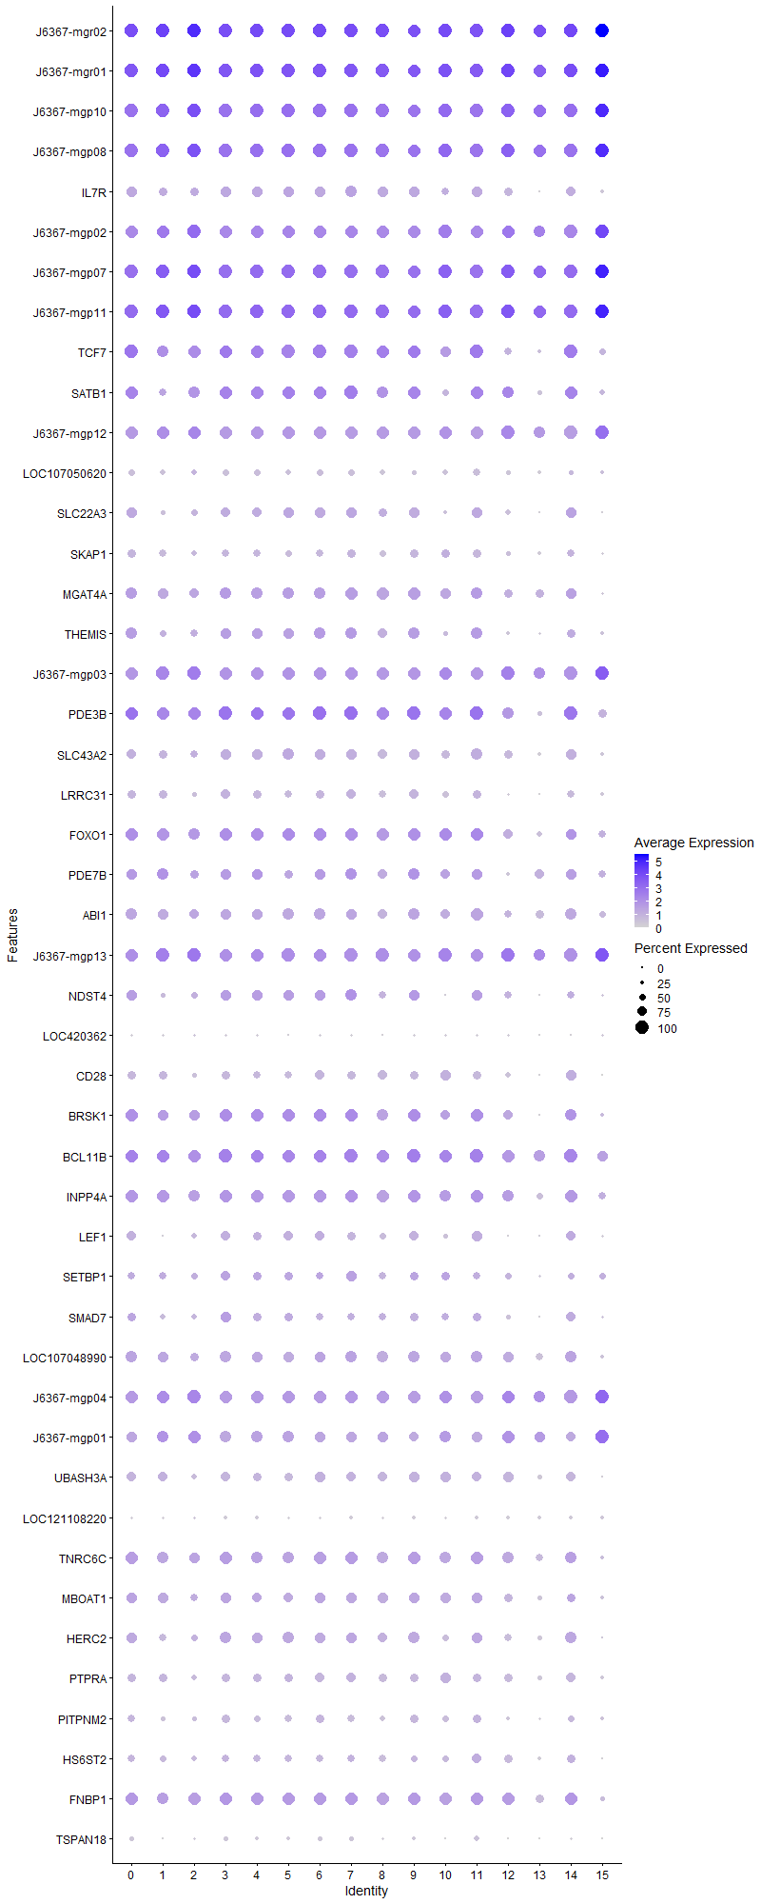
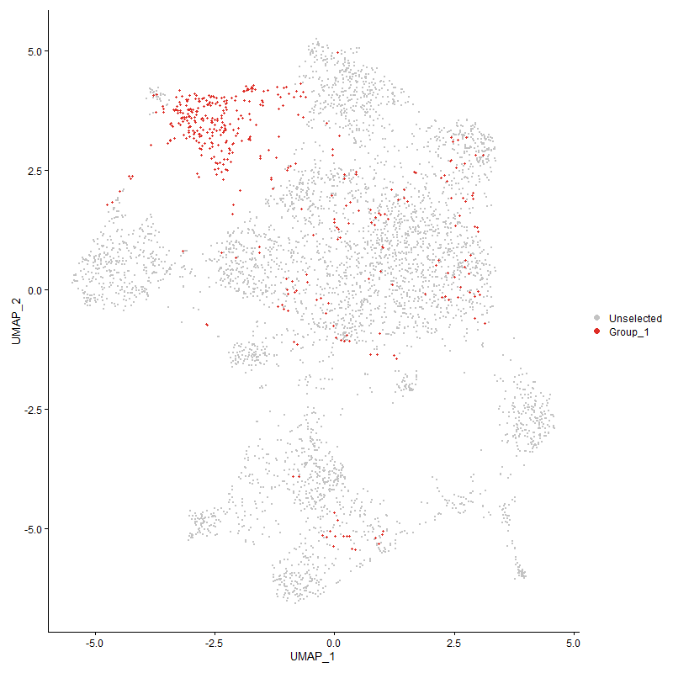
 | p_val | avg_log2FC | pct.1 | pct.2 | p_val_adj | cluster | gene | No CD4?
J6367-mgr021 | 4.3215352594E-172 | 1.3571145287 | 1 | 1 | 6.5994164947E-168 | 2 | J6367-mgr02 | 12S ribosomal RNA [ Gallus gallus (chicken) ]
J6367-mgr011 | 6.294320815E-163 | 1.1602098482 | 1 | 0.999 | 9.6120573166E-159 | 2 | J6367-mgr01 | 16S ribosomal RNA [ Gallus gallus (chicken) ]
J6367-mgp10 | 1.223671716E-104 | 0.89465544058 | 1 | 0.999 | 1.8686690775E-100 | 2 | J6367-mgp10 | COX2 cytochrome c oxidase subunit II [ Gallus gallus (chicken) ]
J6367-mgp08 | 1.1718399277E-86 | 0.8085444235 | 1 | 0.999 | 1.7895167535E-82 | 2 | J6367-mgp08 | ATP6 ATP synthase F0 subunit 6 [ Gallus gallus (chicken) ]
IL7R2 | 2.6333716939E-48 | 0.74324587678 | 0.633 | 0.343 | 4.0214219137E-44 | 2 | IL7R
J6367-mgp02 | 8.5212122936E-71 | 0.70166275679 | 1 | 0.995 | 1.3012743294E-66 | 2 | J6367-mgp02 | CYTB cytochrome b [ Gallus gallus (chicken) ]
J6367-mgp07 | 2.5603367015E-76 | 0.6898197686 | 1 | 1 | 3.9098901768E-72 | 2 | J6367-mgp07 | COX3 cytochrome c oxidase subunit III [ Gallus gallus (chicken) ]
J6367-mgp11 | 3.3693785947E-84 | 0.68590197966 | 1 | 1 | 5.1453780519E-80 | 2 | J6367-mgp11 | COX1 cytochrome c oxidase subunit I [ Gallus gallus (chicken) ]
TCF72 | 4.6300835487E-63 | 0.68567416997 | 0.954 | 0.52 | 7.0706005872E-59 | 2 | TCF7
SATB11 | 6.5967572095E-59 | 0.67421456822 | 0.84 | 0.44 | 1.0073907935E-54 | 2 | SATB1
J6367-mgp12 | 1.6817076315E-49 | 0.57898067647 | 0.993 | 0.972 | 2.5681357241E-45 | 2 | J6367-mgp12 | ND2 NADH dehydrogenase subunit 2 [ Gallus gallus (chicken) ]
LOC107050620 | 0.00048265967062 | 0.55027361151 | 0.383 | 0.388 | 1 | 2 | LOC107050620 | uncharacterized
SLC22A31 | 1.135717371E-24 | 0.46498252921 | 0.481 | 0.264 | 1.7343539973E-20 | 2 | SLC22A3
SKAP12 | 1.8930932074E-18 | 0.45968315521 | 0.444 | 0.281 | 2.8909426371E-14 | 2 | SKAP1
MGAT4A2 | 5.7468853226E-19 | 0.43694997161 | 0.706 | 0.575 | 8.7760685762E-15 | 2 | MGAT4A
THEMIS2 | 7.982021717E-25 | 0.42885583926 | 0.544 | 0.307 | 1.2189345364E-20 | 2 | THEMIS
J6367-mgp03 | 3.9044940954E-34 | 0.42490337702 | 1 | 0.989 | 5.9625529331E-30 | 2 | J6367-mgp03 | ND5 NADH dehydrogenase subunit 5 [ Gallus gallus (chicken) ]
PDE3B2 | 1.4555661139E-31 | 0.41711107904 | 0.995 | 0.797 | 2.2227950126E-27 | 2 | PDE3B
SLC43A21 | 3.6035406468E-09 | 0.4127643919 | 0.561 | 0.54 | 5.5029669218E-05 | 2 | SLC43A2
LRRC312 | 5.9008016116E-15 | 0.40659451153 | 0.333 | 0.194 | 9.0111141411E-11 | 2 | LRRC31
FOXO12 | 9.2088427569E-19 | 0.40318942349 | 0.85 | 0.681 | 1.4062823774E-14 | 2 | FOXO1
PDE7B2 | 2.1564372777E-14 | 0.37749063403 | 0.614 | 0.445 | 3.2930953667E-10 | 2 | PDE7B
ABI11 | 5.6266101703E-08 | 0.37040360948 | 0.672 | 0.684 | 0.00085923963911 | 2 | ABI1
J6367-mgp13 | 8.4242245204E-27 | 0.36124898639 | 1 | 0.996 | 1.2864633265E-22 | 2 | J6367-mgp13 | ND1 NADH dehydrogenase subunit 1 [ Gallus gallus (chicken) ]
NDST41 | 1.1084527395E-20 | 0.36091618849 | 0.507 | 0.286 | 1.6927181785E-16 | 2 | NDST4
LOC420362 | 0.023847252107 | 0.35394390289 | 0.172 | 0.147 | 1 | 2 | LOC420362 | HSF1 heat shock transcription factor 1 [ Gallus gallus (chicken) ]
CD282 | 7.669779196E-15 | 0.34638555035 | 0.342 | 0.205 | 1.171251981E-10 | 2 | CD28
BRSK12 | 6.862302574E-17 | 0.33799048943 | 0.769 | 0.562 | 1.0479422261E-12 | 2 | BRSK1
BCL11B2 | 1.0320082272E-19 | 0.3324182837 | 0.951 | 0.62 | 1.5759797637E-15 | 2 | BCL11B
INPP4A2 | 1.9302486237E-11 | 0.33073625342 | 0.816 | 0.721 | 2.9476826732E-07 | 2 | INPP4A
LEF11 | 1.8578748424E-09 | 0.31739870256 | 0.451 | 0.335 | 2.8371606718E-05 | 2 | LEF1
SETBP12 | 1.0581738442E-06 | 0.31108293802 | 0.456 | 0.362 | 0.016159372775 | 2 | SETBP1
SMAD71 | 7.0547261973E-08 | 0.30908405062 | 0.396 | 0.3 | 0.0010773272376 | 2 | SMAD7
LOC1070489902 | 1.204709582E-09 | 0.30453146818 | 0.67 | 0.613 | 1.8397120027E-05 | 2 | LOC107048990 | zinc finger protein 217-like [ Gallus gallus (chicken) ]
J6367-mgp04 | 1.3703234076E-18 | 0.30277913231 | 0.995 | 0.975 | 2.0926208757E-14 | 2 | J6367-mgp04 | ND4 NADH dehydrogenase subunit 4 [ Gallus gallus (chicken) ]
J6367-mgp01 | 2.1737252747E-10 | 0.30006050906 | 0.954 | 0.878 | 3.3194958669E-06 | 2 | J6367-mgp01 | ND6 NADH dehydrogenase subunit 6 [ Gallus gallus (chicken) ]
UBASH3A2 | 1.1847654855E-05 | 0.2999067319 | 0.391 | 0.325 | 0.1809255373 | 2 | UBASH3A
LOC121108220 | 0.14068748496 | 0.29689369769 | 0.194 | 0.191 | 1 | 2 | LOC121108220 | SMAD family member 4 [ Gallus gallus (chicken) ]
TNRC6C1 | 1.7209641672E-08 | 0.28700906368 | 0.779 | 0.758 | 0.00026280843798 | 2 | TNRC6C
MBOAT12 | 0.00019035319898 | 0.27717219579 | 0.553 | 0.536 | 1 | 2 | MBOAT1
HERC21 | 0.00012767103665 | 0.27464556665 | 0.529 | 0.505 | 1 | 2 | HERC2
PTPRA2 | 0.00011293791748 | 0.27329026862 | 0.425 | 0.382 | 1 | 2 | PTPRA
PITPNM21 | 4.2259345661E-05 | 0.27000882425 | 0.352 | 0.297 | 0.64534246759 | 2 | PITPNM2
HS6ST21 | 0.0012275097402 | 0.26105654502 | 0.383 | 0.338 | 1 | 2 | HS6ST2
FNBP11 | 9.8638513285E-12 | 0.25491099708 | 0.92 | 0.779 | 1.5063087364E-07 | 2 | FNBP1
TSPAN181 | 1.4260521651E-06 | 0.25047585155 | 0.167 | 0.101 | 0.021777242614 | 2 | TSPAN18

Cluster3
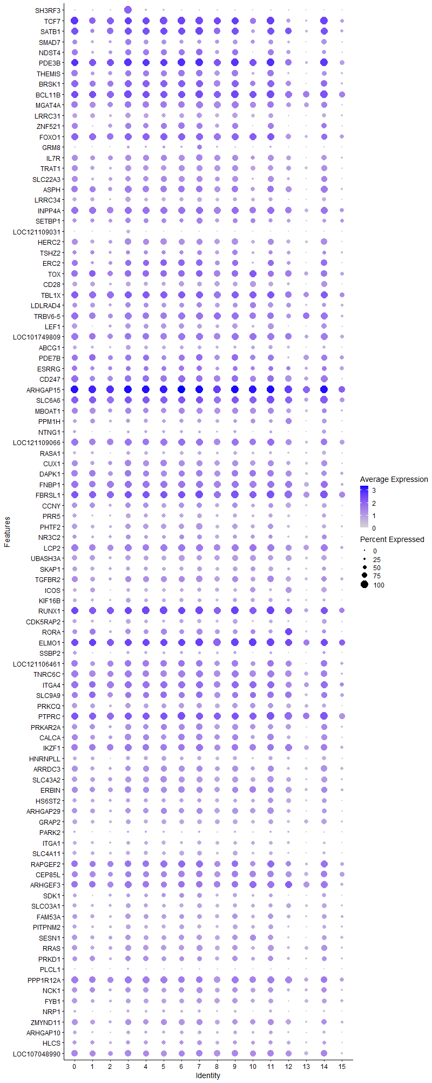
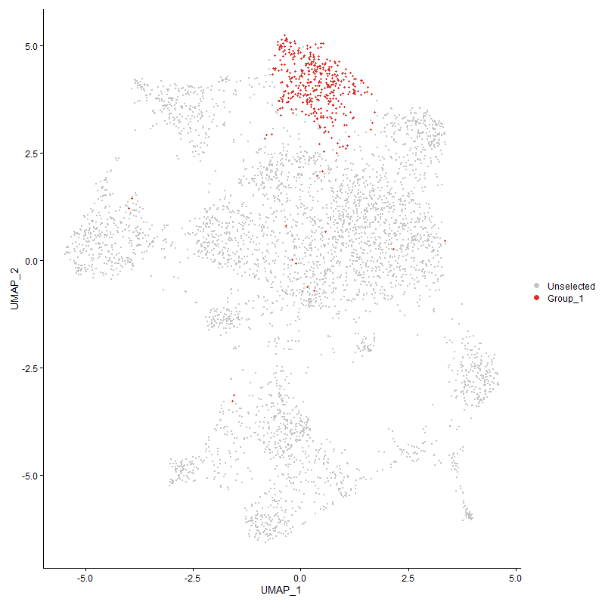
 | p_val | avg_log2FC | pct.1 | pct.2 | p_val_adj | cluster | gene
SH3RF31 | 0 | 2.4828422403 | 1 | 0.112 | 0 | 3 | SH3RF3 | SH3 Domain Containing Ring Finger 3
TCF73 | 1.2392313325E-161 | 1.4886052321 | 0.998 | 0.519 | 1.8924301679E-157 | 3 | TCF7
SATB12 | 6.3328359288E-156 | 1.4507423586 | 0.98 | 0.437 | 9.6708737468E-152 | 3 | SATB1
SMAD72 | 8.5508678355E-158 | 1.3508721029 | 0.841 | 0.289 | 1.3058030272E-153 | 3 | SMAD7
NDST42 | 1.8755948364E-133 | 1.2321023614 | 0.814 | 0.278 | 2.8642208747E-129 | 3 | NDST4
PDE3B3 | 2.7513110517E-116 | 1.1573616682 | 1 | 0.797 | 4.2015271071E-112 | 3 | PDE3B
THEMIS3 | 1.2128726422E-128 | 1.1530688428 | 0.833 | 0.3 | 1.8521778118E-124 | 3 | THEMIS
BRSK13 | 5.1934243721E-101 | 1.0888560512 | 0.968 | 0.557 | 7.9308783586E-97 | 3 | BRSK1
BCL11B3 | 2.0649117154E-93 | 1.0179992831 | 1 | 0.619 | 3.1533266806E-89 | 3 | BCL11B
MGAT4A3 | 3.7045717973E-74 | 0.94274673841 | 0.9 | 0.57 | 5.6572515917E-70 | 3 | MGAT4A
LRRC313 | 1.6062663121E-166 | 0.94163228711 | 0.721 | 0.184 | 2.4529292852E-162 | 3 | LRRC31
ZNF5211 | 3.9310122878E-76 | 0.89455871394 | 0.779 | 0.348 | 6.0030488648E-72 | 3 | ZNF521
FOXO13 | 4.8914897381E-77 | 0.88158083445 | 0.975 | 0.677 | 7.4697939791E-73 | 3 | FOXO1
GRM8 | 1.6796741049E-52 | 0.86271394021 | 0.297 | 0.084 | 2.5650303256E-48 | 3 | GRM8 | Glutamate Metabotropic Receptor 8
IL7R3 | 8.9616970082E-97 | 0.86008244422 | 0.821 | 0.338 | 1.3685407501E-92 | 3 | IL7R
TRAT12 | 9.6956752158E-104 | 0.85325283391 | 0.777 | 0.289 | 1.4806265622E-99 | 3 | TRAT1
SLC22A32 | 1.7803692397E-106 | 0.84690222751 | 0.752 | 0.257 | 2.7188018659E-102 | 3 | SLC22A3
ASPH2 | 7.0851445331E-80 | 0.8449380996 | 0.919 | 0.5 | 1.0819724216E-75 | 3 | ASPH
LRRC342 | 2.2759159477E-162 | 0.83211447342 | 0.689 | 0.172 | 3.4755512437E-158 | 3 | LRRC34
INPP4A3 | 1.9608606485E-65 | 0.80576943019 | 0.951 | 0.718 | 2.9944302963E-61 | 3 | INPP4A
SETBP13 | 5.4573015167E-51 | 0.79641461222 | 0.694 | 0.356 | 8.3338451461E-47 | 3 | SETBP1
LOC121109031 | 0 | 0.78400003304 | 0.507 | 0.044 | 0 | 3 | LOC121109031 | uncharacterized
HERC22 | 7.603405325E-71 | 0.7839913772 | 0.858 | 0.497 | 1.1611160272E-66 | 3 | HERC2
TSHZ22 | 9.9963778367E-45 | 0.76067119324 | 0.603 | 0.291 | 1.5265468594E-40 | 3 | TSHZ2
ERC21 | 8.1322329247E-57 | 0.73543296226 | 0.801 | 0.379 | 1.2418732899E-52 | 3 | ERC2
TOX3 | 1.7996364849E-49 | 0.73480097329 | 0.855 | 0.515 | 2.7482248761E-45 | 3 | TOX
CD283 | 1.1603631775E-127 | 0.73230484252 | 0.684 | 0.196 | 1.7719906083E-123 | 3 | CD28
TBL1X1 | 1.4452251309E-49 | 0.71479500674 | 0.958 | 0.813 | 2.2070032974E-45 | 3 | TBL1X
LDLRAD42 | 1.788720209E-37 | 0.70809036879 | 0.701 | 0.429 | 2.7315546312E-33 | 3 | LDLRAD4
TRBV6-52 | 1.1667529892E-59 | 0.69291444085 | 0.939 | 0.593 | 1.7817484898E-55 | 3 | TRBV6-5
LEF12 | 3.508184382E-57 | 0.69284979708 | 0.691 | 0.33 | 5.3573483697E-53 | 3 | LEF1
LOC1017498092 | 2.5566875452E-56 | 0.68803799628 | 0.907 | 0.549 | 3.9043175503E-52 | 3 | LOC101749809 | connector enhancer of kinase suppressor of ras 2-like [ Gallus gallus (chicken) ]
ABCG11 | 1.7420076665E-56 | 0.67572563503 | 0.61 | 0.279 | 2.6602199076E-52 | 3 | ABCG1
PDE7B3 | 3.3271867491E-41 | 0.67494689239 | 0.772 | 0.441 | 5.0809468845E-37 | 3 | PDE7B
ESRRG1 | 5.494366764E-20 | 0.67273723115 | 0.684 | 0.509 | 8.3904474853E-16 | 3 | ESRRG
CD2471 | 1.6895469595E-45 | 0.65498168012 | 0.9 | 0.552 | 2.5801071619E-41 | 3 | CD247
ARHGAP152 | 8.8696135353E-68 | 0.64813706164 | 1 | 0.983 | 1.354478683E-63 | 3 | ARHGAP15
SLC6A62 | 2.0506397666E-47 | 0.64492657365 | 0.98 | 0.883 | 3.1315319875E-43 | 3 | SLC6A6
MBOAT13 | 3.7408758478E-42 | 0.64101541601 | 0.797 | 0.53 | 5.7126915072E-38 | 3 | MBOAT1
PPM1H2 | 2.6771186383E-42 | 0.63060215267 | 0.559 | 0.261 | 4.0882278725E-38 | 3 | PPM1H
NTNG11 | 7.1212507097E-38 | 0.62037049364 | 0.328 | 0.121 | 1.0874861959E-33 | 3 | NTNG1
LOC1211090662 | 4.4720701588E-48 | 0.6186963795 | 0.944 | 0.687 | 6.8292983394E-44 | 3 | LOC121109066
RASA12 | 3.3712226993E-52 | 0.61778509501 | 0.507 | 0.208 | 5.1481941842E-48 | 3 | RASA1
CUX11 | 1.6394715203E-40 | 0.6036326333 | 0.865 | 0.615 | 2.5036369586E-36 | 3 | CUX1
DAPK12 | 1.5043487355E-36 | 0.60002011932 | 0.885 | 0.694 | 2.2972909539E-32 | 3 | DAPK1
FNBP12 | 6.704128876E-43 | 0.59128371525 | 0.963 | 0.778 | 1.0237875207E-38 | 3 | FNBP1
FBRSL12 | 2.0050175663E-49 | 0.5866377567 | 0.998 | 0.95 | 3.0618623255E-45 | 3 | FBRSL1
CCNY2 | 6.9014557774E-32 | 0.58598872655 | 0.723 | 0.479 | 1.0539213118E-27 | 3 | CCNY
PRR51 | 6.5956017794E-58 | 0.58525348986 | 0.63 | 0.276 | 1.0072143477E-53 | 3 | PRR5
PHTF21 | 9.8481159447E-43 | 0.57954287672 | 0.745 | 0.455 | 1.5039057859E-38 | 3 | PHTF2
NR3C21 | 9.8451332254E-35 | 0.57845382639 | 0.652 | 0.359 | 1.5034502948E-30 | 3 | NR3C2
LCP22 | 5.3013039198E-44 | 0.57558195926 | 0.949 | 0.656 | 8.095621216E-40 | 3 | LCP2
UBASH3A3 | 9.3639237388E-65 | 0.57491522792 | 0.718 | 0.317 | 1.4299647941E-60 | 3 | UBASH3A
SKAP13 | 9.5696880218E-50 | 0.57281978486 | 0.608 | 0.277 | 1.4613870578E-45 | 3 | SKAP1
TGFBR21 | 5.7970849715E-39 | 0.57247873252 | 0.838 | 0.567 | 8.85272846E-35 | 3 | TGFBR2
ICOS2 | 6.8696716916E-79 | 0.57069362058 | 0.495 | 0.15 | 1.049067564E-74 | 3 | ICOS
KIF16B1 | 5.51128759E-45 | 0.56604664296 | 0.608 | 0.3 | 8.4162872787E-41 | 3 | KIF16B
RUNX11 | 2.3497147744E-41 | 0.56481607488 | 0.998 | 0.921 | 3.588249432E-37 | 3 | RUNX1
CDK5RAP21 | 7.1125036499E-46 | 0.56270722343 | 0.618 | 0.308 | 1.0861504324E-41 | 3 | CDK5RAP2
RORA2 | 1.9788971035E-43 | 0.56036755982 | 0.713 | 0.36 | 3.0219737668E-39 | 3 | RORA
ELMO12 | 3.5715740628E-42 | 0.5542883588 | 0.993 | 0.915 | 5.4541507514E-38 | 3 | ELMO1
SSBP21 | 8.7535095786E-35 | 0.54999585822 | 0.385 | 0.158 | 1.3367484477E-30 | 3 | SSBP2
LOC1211064611 | 3.6224284935E-37 | 0.5486885529 | 0.917 | 0.615 | 5.5318105525E-33 | 3 | LOC121106461
TNRC6C2 | 3.5868352378E-47 | 0.54579702634 | 0.951 | 0.754 | 5.4774560916E-43 | 3 | TNRC6C
ITGA42 | 3.571321181E-42 | 0.54510000204 | 0.983 | 0.789 | 5.4537645755E-38 | 3 | ITGA4
SLC9A92 | 6.1133140694E-27 | 0.53952764979 | 0.831 | 0.63 | 9.3356419154E-23 | 3 | SLC9A9
PRKCQ2 | 1.446582388E-41 | 0.53175044129 | 0.721 | 0.402 | 2.2090759647E-37 | 3 | PRKCQ
PTPRC2 | 5.4203500069E-39 | 0.52545788128 | 0.998 | 0.947 | 8.2774164955E-35 | 3 | PTPRC
PRKAR2A2 | 4.7250390419E-41 | 0.52412775998 | 0.801 | 0.475 | 7.2156071208E-37 | 3 | PRKAR2A
CALCA1 | 1.1894144885E-38 | 0.52204305436 | 0.865 | 0.53 | 1.8163548654E-34 | 3 | CALCA
IKZF12 | 2.8720278624E-35 | 0.51921692729 | 0.926 | 0.736 | 4.3858737487E-31 | 3 | IKZF1
HNRNPLL2 | 9.0660050056E-49 | 0.51890853636 | 0.588 | 0.264 | 1.3844696244E-44 | 3 | HNRNPLL
ARRDC31 | 1.5161031831E-29 | 0.51775293954 | 0.743 | 0.51 | 2.3152411708E-25 | 3 | ARRDC3
SLC43A22 | 4.9716654925E-35 | 0.51509538196 | 0.794 | 0.534 | 7.5922303737E-31 | 3 | SLC43A2
ERBIN1 | 1.4012264836E-35 | 0.51275480693 | 0.843 | 0.623 | 2.1398129631E-31 | 3 | ERBIN
HS6ST22 | 2.0411366666E-27 | 0.51136553217 | 0.586 | 0.333 | 3.1170198035E-23 | 3 | HS6ST2
ARHGAP292 | 2.6646205994E-39 | 0.50479292668 | 0.743 | 0.418 | 4.0691421174E-35 | 3 | ARHGAP29
GRAP21 | 6.285205583E-42 | 0.50399100637 | 0.664 | 0.348 | 9.5981374458E-38 | 3 | GRAP2
PARK21 | 6.7503681377E-11 | 0.50343508264 | 0.294 | 0.179 | 1.0308487183E-06 | 3 | PARK2
ITGA11 | 1.3696404401E-28 | 0.4980174458 | 0.502 | 0.266 | 2.0915779161E-24 | 3 | ITGA1
SLC4A112 | 4.2406680365E-41 | 0.48911340327 | 0.539 | 0.252 | 6.4759241586E-37 | 3 | SLC4A11
RAPGEF22 | 5.9953694489E-49 | 0.48527086553 | 0.917 | 0.64 | 9.1555286854E-45 | 3 | RAPGEF2
CEP85L1 | 2.8423981551E-21 | 0.48359845429 | 0.824 | 0.685 | 4.3406262226E-17 | 3 | CEP85L
ARHGEF32 | 9.5140352724E-34 | 0.48319125815 | 0.919 | 0.645 | 1.4528883264E-29 | 3 | ARHGEF3
SDK11 | 4.2097676266E-18 | 0.48267551785 | 0.522 | 0.323 | 6.4287361426E-14 | 3 | SDK1
SLCO3A11 | 2.4050062517E-36 | 0.48242485459 | 0.613 | 0.318 | 3.672685047E-32 | 3 | SLCO3A1
FAM53A1 | 1.9861235719E-28 | 0.48181453152 | 0.684 | 0.428 | 3.0330093066E-24 | 3 | FAM53A
PITPNM22 | 2.4577902196E-46 | 0.48138560549 | 0.625 | 0.29 | 3.7532914443E-42 | 3 | PITPNM2
SESN11 | 3.7636637348E-30 | 0.47758418346 | 0.738 | 0.444 | 5.7474908894E-26 | 3 | SESN1
RRAS1 | 2.5642770645E-34 | 0.47691800323 | 0.782 | 0.495 | 3.9159075052E-30 | 3 | RRAS
PRKD11 | 8.1153817644E-28 | 0.47415195295 | 0.735 | 0.474 | 1.2392999492E-23 | 3 | PRKD1
PLCL11 | 8.1393138257E-21 | 0.47389388833 | 0.24 | 0.1 | 1.2429546143E-16 | 3 | PLCL1
PPP1R12A2 | 2.3912993218E-30 | 0.47085522749 | 0.936 | 0.815 | 3.6517531942E-26 | 3 | PPP1R12A
NCK12 | 1.9899426105E-25 | 0.47009016097 | 0.735 | 0.486 | 3.0388413605E-21 | 3 | NCK1
FYB12 | 1.6768415091E-39 | 0.46825067526 | 0.662 | 0.347 | 2.5607046685E-35 | 3 | FYB1
NRP11 | 1.2144240237E-49 | 0.46190412152 | 0.412 | 0.143 | 1.8545469266E-45 | 3 | NRP1
ZMYND111 | 9.6969165026E-29 | 0.4609654324 | 0.779 | 0.544 | 1.4808161191E-24 | 3 | ZMYND11
ARHGAP101 | 3.6198350092E-35 | 0.45875157806 | 0.485 | 0.227 | 5.5278500426E-31 | 3 | ARHGAP10
HLCS2 | 1.1447529499E-19 | 0.45771049953 | 0.571 | 0.371 | 1.7481522298E-15 | 3 | HLCS
LOC1070489903 | 1.2241653979E-26 | 0.45752246685 | 0.838 | 0.609 | 1.8694229792E-22 | 3 | LOC107048990
CD42 | 1.4059303391E-76 | 0.45710339528 | 0.409 | 0.111 | 2.1469962209E-72 | 3 | CD4
SLC9A71 | 4.4760264734E-26 | 0.45620981848 | 0.583 | 0.349 | 6.8353400275E-22 | 3 | SLC9A7
PITPNC11 | 3.0715770311E-28 | 0.45537338 | 0.855 | 0.63 | 4.6906052843E-24 | 3 | PITPNC1
IL20RA1 | 3.7113411055E-33 | 0.4544547691 | 0.669 | 0.357 | 5.6675890022E-29 | 3 | IL20RA
CNTNAP22 | 2.2322718081E-25 | 0.44741873696 | 0.208 | 0.072 | 3.4089022781E-21 | 3 | CNTNAP2
WWOX1 | 3.870872039E-09 | 0.44394472006 | 0.505 | 0.369 | 5.9112086908E-05 | 3 | WWOX
PHACTR22 | 1.408415626E-29 | 0.44139283467 | 0.527 | 0.274 | 2.1507915025E-25 | 3 | PHACTR2
PTPRA3 | 4.539537029E-32 | 0.43819778919 | 0.664 | 0.376 | 6.932326997E-28 | 3 | PTPRA
IMMP2L | 1.3883966169E-09 | 0.43664318766 | 0.407 | 0.279 | 2.1202204737E-05 | 3 | IMMP2L
STK38L1 | 3.1140257569E-28 | 0.43510963244 | 0.694 | 0.431 | 4.7554287334E-24 | 3 | STK38L
SKI1 | 1.0612153632E-16 | 0.43354412411 | 0.603 | 0.418 | 1.6205819812E-12 | 3 | SKI
AEBP22 | 1.8252572947E-25 | 0.43353982094 | 0.529 | 0.302 | 2.7873504148E-21 | 3 | AEBP2
BMPR1A1 | 2.6918983753E-83 | 0.43282128662 | 0.267 | 0.049 | 4.110798009E-79 | 3 | BMPR1A
SREK12 | 1.068418735E-27 | 0.43258093868 | 0.625 | 0.382 | 1.6315822502E-23 | 3 | SREK1
DIP2B2 | 2.6941588373E-32 | 0.43206872182 | 0.733 | 0.442 | 4.1142499605E-28 | 3 | DIP2B
TNRC6B1 | 3.2031530763E-23 | 0.43114690989 | 0.855 | 0.702 | 4.8915350628E-19 | 3 | TNRC6B
LOC7692321 | 8.6466943649E-22 | 0.42944221219 | 0.963 | 0.762 | 1.3204366965E-17 | 3 | LOC769232
EXT1 | 6.3736055374E-14 | 0.42912546178 | 0.409 | 0.263 | 9.7331330161E-10 | 3 | EXT1
CD38 | 8.3737195651E-63 | 0.42803449767 | 0.375 | 0.11 | 1.2787507148E-58 | 3 | CD38
UGT81 | 5.9323412754E-48 | 0.42754047565 | 0.355 | 0.117 | 9.0592783616E-44 | 3 | UGT8
CBLB2 | 7.5815090394E-28 | 0.42629730388 | 0.909 | 0.67 | 1.1577722454E-23 | 3 | CBLB
LRBA2 | 5.5514536134E-24 | 0.42426940116 | 0.934 | 0.79 | 8.4776248131E-20 | 3 | LRBA
APBB1IP | 2.5506333776E-15 | 0.42309267078 | 0.777 | 0.654 | 3.895072231E-11 | 3 | APBB1IP
SOS11 | 1.1079438706E-34 | 0.42022516649 | 0.559 | 0.288 | 1.6919410848E-30 | 3 | SOS1
KLF121 | 8.8830953237E-28 | 0.41905779356 | 0.831 | 0.549 | 1.3565374869E-23 | 3 | KLF12
NRK1 | 2.1649563137E-28 | 0.41826684386 | 0.973 | 0.849 | 3.3061047866E-24 | 3 | NRK
SLA2 | 9.1953331209E-22 | 0.41818648296 | 0.721 | 0.484 | 1.4042193209E-17 | 3 | SLA
KCNQ51 | 6.2052156409E-13 | 0.41706698981 | 0.765 | 0.608 | 9.4759848052E-09 | 3 | KCNQ5
MANBA | 1.1220384492E-26 | 0.41562887041 | 0.37 | 0.17 | 1.7134649157E-22 | 3 | MANBA
GPR651 | 1.0875515986E-30 | 0.41455228773 | 0.505 | 0.259 | 1.6608000462E-26 | 3 | GPR65
TSNARE11 | 1.2127133087E-25 | 0.41130539495 | 0.62 | 0.361 | 1.8519344938E-21 | 3 | TSNARE1
CELF22 | 3.7446188313E-23 | 0.40702474361 | 0.973 | 0.919 | 5.7184074173E-19 | 3 | CELF2
RASA32 | 4.8417044868E-25 | 0.40563210509 | 0.971 | 0.874 | 7.3937669218E-21 | 3 | RASA3
PPM1A2 | 5.2989145919E-39 | 0.40480148581 | 0.561 | 0.271 | 8.0919724733E-35 | 3 | PPM1A
ADD31 | 8.0678456884E-22 | 0.40423250091 | 0.775 | 0.559 | 1.2320407151E-17 | 3 | ADD3
NCOA21 | 1.5529797261E-12 | 0.40163110483 | 0.76 | 0.626 | 2.3715553397E-08 | 3 | NCOA2
TNS31 | 7.2075997614E-30 | 0.39936126936 | 0.52 | 0.269 | 1.1006725596E-25 | 3 | TNS3
ARL151 | 1.3890287957E-09 | 0.39646717023 | 0.414 | 0.291 | 2.121185874E-05 | 3 | ARL15
ACSL31 | 1.0687350887E-36 | 0.39520074477 | 0.515 | 0.239 | 1.6320653539E-32 | 3 | ACSL3
KDM4B1 | 5.9582157093E-22 | 0.39484869957 | 0.718 | 0.512 | 9.0987912096E-18 | 3 | KDM4B
LOC1070517151 | 4.9838017676E-34 | 0.39387864237 | 0.272 | 0.093 | 7.6107636793E-30 | 3 | LOC107051715
PFKP1 | 5.5893614296E-19 | 0.39225019449 | 0.551 | 0.353 | 8.5355138392E-15 | 3 | PFKP
ZNF7041 | 1.2297792675E-23 | 0.39174050044 | 0.566 | 0.34 | 1.8779959194E-19 | 3 | ZNF704
MTMR101 | 2.6164381219E-39 | 0.39163728276 | 0.525 | 0.244 | 3.995562656E-35 | 3 | MTMR10
TAB21 | 1.0385318616E-17 | 0.38919796834 | 0.468 | 0.291 | 1.5859420059E-13 | 3 | TAB2
ANO101 | 8.7607403101E-11 | 0.3882413587 | 0.181 | 0.091 | 1.3378526528E-06 | 3 | ANO10
LOC1211132031 | 5.2949936625E-55 | 0.38761651059 | 0.328 | 0.095 | 8.085984822E-51 | 3 | LOC121113203
SLC24A31 | 1.1944363559E-18 | 0.38712537766 | 0.547 | 0.355 | 1.8240237591E-14 | 3 | SLC24A3
RFTN11 | 4.2360850474E-23 | 0.38624156548 | 0.718 | 0.454 | 6.4689254758E-19 | 3 | RFTN1
PARP8 | 1.833190432E-13 | 0.38197628999 | 0.426 | 0.276 | 2.7994651088E-09 | 3 | PARP8
SYNE12 | 2.1611640385E-22 | 0.38159557231 | 0.956 | 0.764 | 3.3003136031E-18 | 3 | SYNE1
LPP1 | 1.1381776403E-36 | 0.38098044439 | 0.814 | 0.509 | 1.7381110746E-32 | 3 | LPP
SMCHD12 | 1.7842185359E-16 | 0.3782533869 | 0.711 | 0.536 | 2.7246801262E-12 | 3 | SMCHD1
TOX22 | 1.1181438951E-24 | 0.37494597763 | 0.517 | 0.283 | 1.7075175422E-20 | 3 | TOX2
ABI12 | 3.3537450716E-16 | 0.3736054838 | 0.838 | 0.68 | 5.1215040988E-12 | 3 | ABI1
TRA2A | 2.6234700226E-21 | 0.37252752838 | 0.711 | 0.502 | 4.0063010715E-17 | 3 | TRA2A
DIP2C1 | 2.8627129313E-15 | 0.37221658378 | 0.262 | 0.13 | 4.3716489173E-11 | 3 | DIP2C
LOC1244177941 | 4.2583883153E-20 | 0.37187271767 | 0.103 | 0.027 | 6.5029847963E-16 | 3 | LOC124417794
FAM65B2 | 1.10535257E-21 | 0.37109573746 | 0.814 | 0.58 | 1.6879839097E-17 | 3 | FAM65B
KLF131 | 1.6967430681E-15 | 0.37077960634 | 0.748 | 0.583 | 2.5910963393E-11 | 3 | KLF13
ARAP22 | 3.6070639583E-24 | 0.36650083003 | 0.801 | 0.554 | 5.5083473707E-20 | 3 | ARAP2
ADD11 | 8.1247472166E-23 | 0.36620210228 | 0.6 | 0.36 | 1.2407301474E-18 | 3 | ADD1
NRIP11 | 1.8597435218E-20 | 0.36609554894 | 0.735 | 0.508 | 2.8400143321E-16 | 3 | NRIP1
TBK12 | 3.9621362119E-30 | 0.36362642411 | 0.537 | 0.28 | 6.0505782092E-26 | 3 | TBK1
MACROD22 | 2.4987377959E-06 | 0.36314811474 | 0.505 | 0.405 | 0.038158224882 | 3 | MACROD2
ITK1 | 2.5837258738E-26 | 0.36244840071 | 0.522 | 0.277 | 3.9456077818E-22 | 3 | ITK
SUPT3H2 | 3.5782532158E-16 | 0.36038758541 | 0.507 | 0.326 | 5.4643504859E-12 | 3 | SUPT3H
TRPS1 | 9.7338344154E-14 | 0.35483402592 | 0.887 | 0.733 | 1.4864538536E-09 | 3 | TRPS1
SLC12A4 | 3.6285889638E-19 | 0.35285752605 | 0.525 | 0.319 | 5.5412182067E-15 | 3 | SLC12A4
CD52 | 4.7823665848E-50 | 0.35197511622 | 0.35 | 0.113 | 7.3031520117E-46 | 3 | CD5
RAPH11 | 1.0893237212E-13 | 0.34854041112 | 0.279 | 0.149 | 1.6635062546E-09 | 3 | RAPH1
DCAF6 | 3.1458338295E-21 | 0.34758518541 | 0.429 | 0.233 | 4.804002841E-17 | 3 | DCAF6
TSPAN182 | 2.2120257811E-41 | 0.34694732948 | 0.301 | 0.098 | 3.3779845703E-37 | 3 | TSPAN18
STAT41 | 3.085947568E-20 | 0.34302270989 | 0.615 | 0.387 | 4.7125505312E-16 | 3 | STAT4
EPC2 | 7.194692622E-27 | 0.34282854602 | 0.373 | 0.177 | 1.0987015103E-22 | 3 | EPC2
PLCL21 | 9.4247838075E-15 | 0.34081051598 | 0.723 | 0.533 | 1.4392587352E-10 | 3 | PLCL2
PRKCE1 | 1.2493503403E-20 | 0.3384276074 | 0.819 | 0.567 | 1.9078829047E-16 | 3 | PRKCE
ITSN2 | 3.0652060918E-20 | 0.33806316508 | 0.449 | 0.259 | 4.6808762229E-16 | 3 | ITSN2
LOC107052984 | 9.3020363615E-58 | 0.33792646878 | 0.223 | 0.047 | 1.4205139728E-53 | 3 | LOC107052984
PDSS21 | 1.2154842312E-20 | 0.33741378444 | 0.449 | 0.243 | 1.8561659694E-16 | 3 | PDSS2
FARS2 | 5.6356389372E-11 | 0.33634157387 | 0.409 | 0.271 | 8.6061842209E-07 | 3 | FARS2
SRPK21 | 2.5350645695E-17 | 0.33584597854 | 0.542 | 0.341 | 3.871297104E-13 | 3 | SRPK2
AFF21 | 5.2766366587E-18 | 0.33544363916 | 0.949 | 0.863 | 8.0579518415E-14 | 3 | AFF2
TXK2 | 8.5789215446E-26 | 0.33416732223 | 0.588 | 0.327 | 1.3100871091E-21 | 3 | TXK
IGF2BP31 | 1.4533861236E-16 | 0.33327490807 | 0.395 | 0.226 | 2.2194659494E-12 | 3 | IGF2BP3
FOXK21 | 1.0826386273E-14 | 0.33301405778 | 0.684 | 0.496 | 1.6532974478E-10 | 3 | FOXK2
PLXNB21 | 2.6449857874E-21 | 0.33081491303 | 0.194 | 0.07 | 4.0391577959E-17 | 3 | PLXNB2
ST8SIA42 | 1.279188177E-15 | 0.33012166187 | 0.571 | 0.39 | 1.9534482651E-11 | 3 | ST8SIA4
KIAA15491 | 6.0819623785E-16 | 0.32809637666 | 0.319 | 0.167 | 9.2877647482E-12 | 3 | KIAA1549
NFKB11 | 5.4077975302E-15 | 0.3260683041 | 0.875 | 0.758 | 8.2582476084E-11 | 3 | NFKB1
FTO | 7.9567074522E-10 | 0.32479760299 | 0.272 | 0.158 | 1.215068795E-05 | 3 | FTO
KCNK71 | 3.0346967258E-19 | 0.3238679762 | 0.419 | 0.231 | 4.6342853699E-15 | 3 | KCNK7
TSC22D1 | 3.0923282466E-09 | 0.3224395855 | 0.478 | 0.366 | 4.7222944653E-05 | 3 | TSC22D1
PRKACB1 | 1.6125090162E-14 | 0.31959825526 | 0.662 | 0.476 | 2.4624625186E-10 | 3 | PRKACB
PPP4R1 | 1.6211930236E-13 | 0.31915238925 | 0.392 | 0.238 | 2.4757238664E-09 | 3 | PPP4R1
EPB41 | 1.4062546404E-20 | 0.31894778093 | 0.495 | 0.289 | 2.1474914613E-16 | 3 | EPB41
EVL1 | 2.0015038161E-15 | 0.31774434607 | 0.667 | 0.493 | 3.0564964776E-11 | 3 | EVL
DOK61 | 3.3070157891E-11 | 0.31723730109 | 0.179 | 0.086 | 5.0501438115E-07 | 3 | DOK6
ZFP36L21 | 8.2241493118E-16 | 0.31716788937 | 0.637 | 0.44 | 1.2559098414E-11 | 3 | ZFP36L2
HPCAL1 | 7.0406007372E-16 | 0.31663607413 | 0.468 | 0.283 | 1.0751701386E-11 | 3 | HPCAL1
KAT6B | 5.3628020523E-13 | 0.31382018098 | 0.517 | 0.355 | 8.189535014E-09 | 3 | KAT6B
TAF4B | 1.2077822277E-15 | 0.31230198822 | 0.284 | 0.147 | 1.8444042399E-11 | 3 | TAF4B
ZNRF2 | 8.7574707603E-15 | 0.31202409294 | 0.836 | 0.666 | 1.3373533598E-10 | 3 | ZNRF2
XYLT1 | 2.5848611152E-07 | 0.31153530438 | 0.537 | 0.42 | 0.003947341409 | 3 | XYLT1
RASA2 | 6.4957903851E-15 | 0.31060300493 | 0.689 | 0.514 | 9.9197214971E-11 | 3 | RASA2
PCGF52 | 2.0242857416E-18 | 0.3104317699 | 0.478 | 0.285 | 3.0912867561E-14 | 3 | PCGF5
RAPGEF61 | 1.6121652849E-17 | 0.30986497146 | 0.701 | 0.497 | 2.4619376066E-13 | 3 | RAPGEF6
KLF3 | 1.1241109822E-29 | 0.3090637123 | 0.301 | 0.117 | 1.7166298809E-25 | 3 | KLF3
TPK1 | 4.7843439542E-11 | 0.30762359335 | 0.414 | 0.274 | 7.3061716524E-07 | 3 | TPK1
SPTBN11 | 3.0796257075E-13 | 0.30453827394 | 0.846 | 0.729 | 4.7028964179E-09 | 3 | SPTBN1
PCMTD11 | 2.6324555823E-14 | 0.30368055254 | 0.703 | 0.509 | 4.0200229197E-10 | 3 | PCMTD1
AGPAT4 | 1.4713912086E-18 | 0.30345396802 | 0.265 | 0.123 | 2.2469615147E-14 | 3 | AGPAT4
P2RX7 | 2.8261224892E-23 | 0.30318493615 | 0.49 | 0.269 | 4.3157716532E-19 | 3 | P2RX7
ANKRD44 | 1.6593712912E-17 | 0.30096469146 | 0.973 | 0.851 | 2.5340258987E-13 | 3 | ANKRD44
GALNT92 | 2.3731007033E-14 | 0.30046196341 | 0.23 | 0.11 | 3.6239620841E-10 | 3 | GALNT9
CD821 | 2.1578045854E-17 | 0.30028848416 | 0.515 | 0.321 | 3.2951833823E-13 | 3 | CD82
SMAD21 | 1.6439723571E-14 | 0.29911527793 | 0.243 | 0.12 | 2.5105101865E-10 | 3 | SMAD2
UBAC2 | 3.769118314E-09 | 0.29868214023 | 0.48 | 0.352 | 5.7558205774E-05 | 3 | UBAC2
LOC1070531241 | 1.0918096539E-26 | 0.29737493084 | 0.363 | 0.163 | 1.6673025224E-22 | 3 | LOC107053124
DOCK10 | 5.6242970047E-13 | 0.29653511249 | 0.748 | 0.584 | 8.5888639558E-09 | 3 | DOCK10
GCLC | 3.612181223E-15 | 0.29505688872 | 0.444 | 0.274 | 5.5161619456E-11 | 3 | GCLC
OTUD7A | 2.7813383489E-17 | 0.2930543386 | 0.341 | 0.178 | 4.2473817926E-13 | 3 | OTUD7A
LPIN21 | 4.2646939048E-16 | 0.29269828328 | 0.502 | 0.318 | 6.512614062E-12 | 3 | LPIN2
PTPRB1 | 9.936521173E-36 | 0.28896359446 | 0.275 | 0.09 | 1.5174061483E-31 | 3 | PTPRB
MTMR3 | 9.0739799362E-12 | 0.2886826612 | 0.498 | 0.344 | 1.385687476E-07 | 3 | MTMR3
CD3E1 | 5.8449362699E-21 | 0.28862304474 | 0.539 | 0.304 | 8.9258021778E-17 | 3 | CD3E
ADAMTSL31 | 1.299210477E-14 | 0.28581336241 | 0.206 | 0.092 | 1.9840243195E-10 | 3 | ADAMTSL3
ARID1B | 1.8651700694E-12 | 0.28540168023 | 0.956 | 0.94 | 2.848301213E-08 | 3 | ARID1B
NAP1L41 | 6.3570738887E-18 | 0.28529690663 | 0.547 | 0.342 | 9.7078875354E-14 | 3 | NAP1L4
TMEM135 | 8.0110138293E-10 | 0.28523655943 | 0.522 | 0.391 | 1.2233619219E-05 | 3 | TMEM135
CD2261 | 3.4411405102E-31 | 0.28443865201 | 0.419 | 0.178 | 5.2549656731E-27 | 3 | CD226
PLEKHA1 | 1.0129722538E-19 | 0.28327525445 | 0.326 | 0.161 | 1.5469099288E-15 | 3 | PLEKHA1
PLCG11 | 6.1948092751E-23 | 0.28324161607 | 0.475 | 0.257 | 9.4600932439E-19 | 3 | PLCG1
FAM49A1 | 7.9136246228E-08 | 0.28264174198 | 0.708 | 0.608 | 0.0012084896161 | 3 | FAM49A
AKAP131 | 6.5913286244E-17 | 0.28149191459 | 0.978 | 0.913 | 1.0065617942E-12 | 3 | AKAP13
LARGE1 | 5.8979949863E-07 | 0.28093451446 | 0.221 | 0.138 | 0.0090068281436 | 3 | LARGE1
TNIK | 8.119948159E-15 | 0.27998151723 | 0.62 | 0.425 | 1.2399972834E-10 | 3 | TNIK
MAP3K21 | 4.1907829185E-17 | 0.27946111799 | 0.382 | 0.215 | 6.3997445949E-13 | 3 | MAP3K2
SNX251 | 5.9524191311E-23 | 0.27922996978 | 0.534 | 0.294 | 9.0899392551E-19 | 3 | SNX25
P2RY82 | 5.7877677116E-10 | 0.27683768396 | 0.843 | 0.715 | 8.8385000725E-06 | 3 | P2RY8
ZNF407 | 0.00071526124286 | 0.27615233124 | 0.61 | 0.549 | 1 | 3 | ZNF407
UTRN1 | 2.557882332E-16 | 0.27555900337 | 0.988 | 0.918 | 3.9061421092E-12 | 3 | UTRN
LOC1244183571 | 1.0893796092E-06 | 0.27495043698 | 0.458 | 0.353 | 0.016635916011 | 3 | LOC124418357
MAN1A1 | 3.3079053387E-12 | 0.27440561341 | 0.946 | 0.88 | 5.0515022428E-08 | 3 | MAN1A1
JAZF1 | 3.4890854843E-06 | 0.27417667287 | 0.213 | 0.136 | 0.053281824431 | 3 | JAZF1
GNB42 | 6.3900157096E-13 | 0.27358276985 | 0.684 | 0.5 | 9.7581929901E-09 | 3 | GNB4
BRF1 | 5.6812830465E-09 | 0.27237495507 | 0.495 | 0.368 | 8.6758873403E-05 | 3 | BRF1
SP31 | 2.2881246546E-14 | 0.2720783014 | 0.65 | 0.46 | 3.4941951601E-10 | 3 | SP3
SNRK2 | 2.9650603023E-14 | 0.27185494518 | 0.525 | 0.344 | 4.5279435877E-10 | 3 | SNRK
HDGFRP3 | 3.6563578954E-21 | 0.27084905009 | 0.38 | 0.192 | 5.5836241421E-17 | 3 | HDGFRP3
FUBP11 | 7.5671517909E-12 | 0.27056705567 | 0.414 | 0.275 | 1.15557975E-07 | 3 | FUBP1
TFDP2 | 1.4998057561E-18 | 0.26991874754 | 0.36 | 0.186 | 2.2903533702E-14 | 3 | TFDP2
SMAP12 | 4.4963350293E-13 | 0.26940151143 | 0.529 | 0.353 | 6.8663532233E-09 | 3 | SMAP1
BCAS3 | 2.1580809483E-07 | 0.26755389506 | 0.554 | 0.444 | 0.0032956054161 | 3 | BCAS3
BCL2 | 0.11495785576 | 0.26739559157 | 0.436 | 0.421 | 1 | 3 | BCL2
NRARP1 | 1.5095562358E-31 | 0.26467596895 | 0.26 | 0.089 | 2.3052433277E-27 | 3 | NRARP
ADNP | 4.9073238277E-11 | 0.26427699533 | 0.424 | 0.283 | 7.4939742172E-07 | 3 | ADNP
LOC4312501 | 7.6497359145E-44 | 0.26206109962 | 0.223 | 0.057 | 1.1681911715E-39 | 3 | LOC431250
TRIM241 | 5.9169277073E-14 | 0.26191621508 | 0.321 | 0.18 | 9.0357403018E-10 | 3 | TRIM24
TMEM245 | 2.9158329051E-10 | 0.26115594287 | 0.449 | 0.31 | 4.4527684293E-06 | 3 | TMEM245
CDK17 | 5.4317075034E-09 | 0.26046105937 | 0.664 | 0.522 | 8.2947605284E-05 | 3 | CDK17
RGS91 | 6.1832040338E-21 | 0.25997829648 | 0.517 | 0.296 | 9.4423708801E-17 | 3 | RGS9
LOC1244183411 | 1.0940228816E-12 | 0.25963371559 | 0.328 | 0.189 | 1.6706823425E-08 | 3 | LOC124418341
PREX12 | 2.3864727927E-17 | 0.25908839828 | 0.973 | 0.886 | 3.6443826017E-13 | 3 | PREX1
APBA21 | 7.0364598372E-18 | 0.25855963291 | 0.142 | 0.048 | 1.0745377817E-13 | 3 | APBA2
SNTB11 | 5.8776667445E-16 | 0.25827198917 | 0.23 | 0.105 | 8.9757848856E-12 | 3 | SNTB1
HS6ST11 | 4.0467366462E-17 | 0.25774001492 | 0.532 | 0.315 | 6.1797715324E-13 | 3 | HS6ST1
CNOT2 | 3.9835300185E-12 | 0.25649853604 | 0.588 | 0.417 | 6.0832486913E-08 | 3 | CNOT2
MIB1 | 5.4911617428E-19 | 0.25636871627 | 0.431 | 0.237 | 8.3855530975E-15 | 3 | MIB1
TMEM123 | 1.5163306344E-09 | 0.25613024536 | 0.444 | 0.316 | 2.3155885118E-05 | 3 | TMEM123
DPEP21 | 1.1493106748E-25 | 0.25531741601 | 0.228 | 0.082 | 1.7551123315E-21 | 3 | DPEP2
ZCCHC241 | 9.0687781827E-07 | 0.2544913772 | 0.218 | 0.137 | 0.013848931163 | 3 | ZCCHC24
EIF4G3 | 1.2715853556E-10 | 0.25379755101 | 0.623 | 0.462 | 1.9418379965E-06 | 3 | EIF4G3
ETNK11 | 1.1250480029E-13 | 0.25355623001 | 0.431 | 0.271 | 1.7180608053E-09 | 3 | ETNK1
NPLOC4 | 3.8246819293E-22 | 0.25304498652 | 0.265 | 0.112 | 5.8406717742E-18 | 3 | NPLOC4
LCORL1 | 4.5132019541E-11 | 0.25289811391 | 0.502 | 0.344 | 6.8921107041E-07 | 3 | LCORL
MAP3K3 | 8.9047699745E-14 | 0.25280328497 | 0.385 | 0.234 | 1.3598474228E-09 | 3 | MAP3K3
DLG11 | 7.4758994411E-09 | 0.25260874563 | 0.319 | 0.209 | 0.00011416446037 | 3 | DLG1
CWC27 | 1.4898647974E-07 | 0.25238455603 | 0.213 | 0.128 | 0.002275172532 | 3 | CWC27
EEPD1 | 2.5417762101E-11 | 0.25152451597 | 0.441 | 0.291 | 3.8815464504E-07 | 3 | EEPD1
RNF38 | 8.2767072498E-08 | 0.251233378 | 0.321 | 0.217 | 0.0012639359641 | 3 | RNF38
PPP1CC | 1.9492947829E-16 | 0.25120267308 | 0.409 | 0.235 | 2.976768063E-12 | 3 | PPP1CC

Cluster4
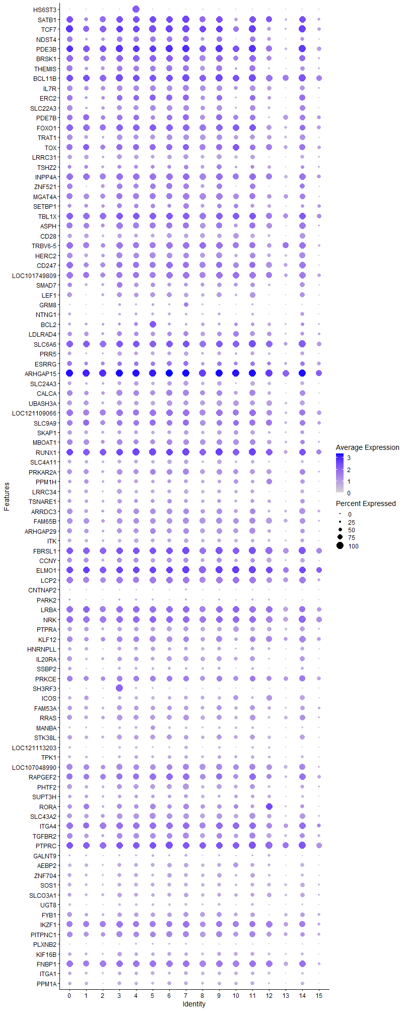
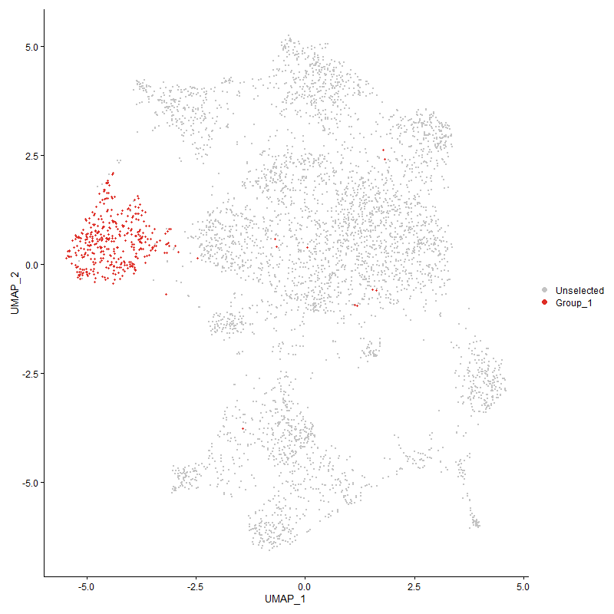
 | p_val | avg_log2FC | pct.1 | pct.2 | p_val_adj | cluster | gene
HS6ST3 | 0 | 2.6991655853 | 1 | 0.075 | 0 | 4 | HS6ST3
SATB13 | 5.0444443366E-140 | 1.391397233 | 0.971 | 0.438 | 7.7033709465E-136 | 4 | SATB1
TCF74 | 2.189406366E-121 | 1.2643579881 | 0.987 | 0.52 | 3.3434424616E-117 | 4 | TCF7
NDST43 | 5.3298287031E-118 | 1.1533873922 | 0.806 | 0.28 | 8.1391814125E-114 | 4 | NDST4
PDE3B4 | 3.6235955767E-98 | 1.116511874 | 0.99 | 0.798 | 5.5335928052E-94 | 4 | PDE3B
BRSK14 | 2.7480856791E-84 | 1.0862667992 | 0.94 | 0.558 | 4.1966016406E-80 | 4 | BRSK1
THEMIS4 | 1.8406327267E-105 | 1.0809101317 | 0.809 | 0.301 | 2.8108302369E-101 | 4 | THEMIS
BCL11B4 | 1.760844805E-76 | 0.91320220062 | 0.992 | 0.62 | 2.6889861017E-72 | 4 | BCL11B
IL7R4 | 3.3755114706E-88 | 0.88724698354 | 0.804 | 0.34 | 5.1547435668E-84 | 4 | IL7R
ERC22 | 1.1377298126E-64 | 0.87638383005 | 0.804 | 0.379 | 1.7374271968E-60 | 4 | ERC2
SLC22A33 | 1.6292769821E-87 | 0.87601042279 | 0.704 | 0.259 | 2.4880688793E-83 | 4 | SLC22A3
PDE7B4 | 2.3218064024E-53 | 0.86773354842 | 0.825 | 0.44 | 3.5456305571E-49 | 4 | PDE7B
FOXO14 | 6.0658577591E-61 | 0.8656274196 | 0.948 | 0.679 | 9.263171384E-57 | 4 | FOXO1
TRAT13 | 3.0357151273E-83 | 0.81044911549 | 0.736 | 0.291 | 4.6358405708E-79 | 4 | TRAT1
TOX4 | 6.2546615254E-47 | 0.79199986979 | 0.864 | 0.515 | 9.5514936154E-43 | 4 | TOX
LRRC314 | 8.561134292E-105 | 0.77013256437 | 0.628 | 0.187 | 1.3073708177E-100 | 4 | LRRC31
TSHZ23 | 1.8780889115E-41 | 0.73040795822 | 0.607 | 0.291 | 2.8680295767E-37 | 4 | TSHZ2
INPP4A4 | 1.1247131045E-51 | 0.72853193209 | 0.948 | 0.718 | 1.7175493819E-47 | 4 | INPP4A
ZNF5212 | 1.4732386122E-56 | 0.72575974639 | 0.743 | 0.349 | 2.2497826847E-52 | 4 | ZNF521
MGAT4A4 | 2.7381056439E-58 | 0.72153726949 | 0.901 | 0.571 | 4.1813611288E-54 | 4 | MGAT4A
SETBP14 | 9.7736791666E-36 | 0.71178548603 | 0.639 | 0.358 | 1.4925385455E-31 | 4 | SETBP1
TBL1X2 | 1.3809062044E-45 | 0.70280459891 | 0.963 | 0.813 | 2.1087818647E-41 | 4 | TBL1X
ASPH3 | 6.2790958283E-51 | 0.70066117774 | 0.866 | 0.502 | 9.5888072393E-47 | 4 | ASPH
CD284 | 1.9752079736E-79 | 0.69287840633 | 0.586 | 0.199 | 3.0163400965E-75 | 4 | CD28
TRBV6-53 | 1.2057784465E-47 | 0.68268787672 | 0.903 | 0.594 | 1.8413442656E-43 | 4 | TRBV6-5
HERC23 | 5.9740048129E-46 | 0.6753875402 | 0.806 | 0.499 | 9.1229027498E-42 | 4 | HERC2
CD2472 | 5.3651341886E-38 | 0.6725933855 | 0.874 | 0.553 | 8.1930964194E-34 | 4 | CD247
LOC1017498093 | 2.2849789221E-42 | 0.67083983511 | 0.885 | 0.55 | 3.4893913119E-38 | 4 | LOC101749809
SMAD73 | 6.0729711899E-47 | 0.66808493735 | 0.636 | 0.294 | 9.2740343042E-43 | 4 | SMAD7
LEF13 | 4.7899494822E-51 | 0.66719074867 | 0.678 | 0.33 | 7.3147318543E-47 | 4 | LEF1
GRM81 | 1.5338585353E-36 | 0.65600447006 | 0.27 | 0.085 | 2.3423553693E-32 | 4 | GRM8
NTNG12 | 7.7190685858E-60 | 0.64022189897 | 0.398 | 0.12 | 1.1787789637E-55 | 4 | NTNG1
BCL21 | 2.6976402454E-09 | 0.60796241229 | 0.534 | 0.419 | 4.1195664188E-05 | 4 | BCL2
LDLRAD43 | 9.3319210166E-27 | 0.60603969446 | 0.665 | 0.43 | 1.4250776585E-22 | 4 | LDLRAD4
SLC6A63 | 4.1238348032E-34 | 0.60428008433 | 0.971 | 0.883 | 6.2975081279E-30 | 4 | SLC6A6
PRR52 | 6.5551323761E-50 | 0.60224787845 | 0.605 | 0.277 | 1.0010342652E-45 | 4 | PRR5
ESRRG2 | 1.0730545881E-13 | 0.59278132688 | 0.649 | 0.51 | 1.6386616615E-09 | 4 | ESRRG
ARHGAP153 | 4.3347800343E-50 | 0.58852392865 | 1 | 0.983 | 6.6196425903E-46 | 4 | ARHGAP15
SLC24A32 | 1.1216623299E-37 | 0.58691308326 | 0.634 | 0.354 | 1.712890544E-33 | 4 | SLC24A3
CALCA2 | 4.3959613515E-34 | 0.58095252098 | 0.783 | 0.532 | 6.7130725798E-30 | 4 | CALCA
UBASH3A4 | 1.7412120885E-52 | 0.5803525935 | 0.675 | 0.319 | 2.6590049804E-48 | 4 | UBASH3A
LOC1211090663 | 6.2807829998E-33 | 0.56977303821 | 0.911 | 0.688 | 9.591383719E-29 | 4 | LOC121109066
SLC9A93 | 4.7971747772E-27 | 0.56788382085 | 0.825 | 0.631 | 7.3257656023E-23 | 4 | SLC9A9
SKAP14 | 1.5317905887E-45 | 0.56467342569 | 0.605 | 0.278 | 2.339197408E-41 | 4 | SKAP1
MBOAT14 | 2.2859464079E-27 | 0.56424494516 | 0.759 | 0.531 | 3.4908687595E-23 | 4 | MBOAT1
RUNX12 | 5.5492616994E-41 | 0.56142952168 | 1 | 0.921 | 8.4742775412E-37 | 4 | RUNX1
SLC4A113 | 3.5473096961E-41 | 0.55848519486 | 0.542 | 0.253 | 5.4170966369E-37 | 4 | SLC4A11
PRKAR2A3 | 2.908154906E-33 | 0.55109448874 | 0.759 | 0.476 | 4.4410433569E-29 | 4 | PRKAR2A
PPM1H3 | 2.0168519088E-34 | 0.54987545695 | 0.539 | 0.262 | 3.07993455E-30 | 4 | PPM1H
LRRC343 | 3.8732585473E-63 | 0.54127670139 | 0.51 | 0.177 | 5.9148531276E-59 | 4 | LRRC34
TSNARE12 | 9.5924853296E-24 | 0.5300147408 | 0.599 | 0.362 | 1.4648684347E-19 | 4 | TSNARE1
ARRDC32 | 3.6182283771E-31 | 0.52831976021 | 0.78 | 0.51 | 5.5253965547E-27 | 4 | ARRDC3
FAM65B3 | 1.3845391825E-36 | 0.52641503104 | 0.838 | 0.58 | 2.1143297855E-32 | 4 | FAM65B
ARHGAP293 | 6.8869669488E-32 | 0.52462113236 | 0.717 | 0.419 | 1.0517087228E-27 | 4 | ARHGAP29
ITK2 | 2.5212349342E-47 | 0.52158771825 | 0.61 | 0.276 | 3.850177868E-43 | 4 | ITK
FBRSL13 | 2.5682021202E-35 | 0.5182797707 | 0.99 | 0.95 | 3.9219014578E-31 | 4 | FBRSL1
CCNY3 | 2.2477064873E-25 | 0.51377135021 | 0.717 | 0.48 | 3.4324725768E-21 | 4 | CCNY
ELMO13 | 5.6763405345E-36 | 0.50658837118 | 0.995 | 0.915 | 8.6683396302E-32 | 4 | ELMO1
LCP23 | 3.3617690269E-29 | 0.49952581405 | 0.872 | 0.658 | 5.1337574809E-25 | 4 | LCP2
CNTNAP23 | 8.8271422105E-24 | 0.49888842298 | 0.207 | 0.072 | 1.347992887E-19 | 4 | CNTNAP2
PARK22 | 5.8762031994E-09 | 0.49814397913 | 0.285 | 0.179 | 8.9735499058E-05 | 4 | PARK2
LRBA3 | 3.1778261506E-27 | 0.49616753401 | 0.932 | 0.79 | 4.8528583146E-23 | 4 | LRBA
NRK2 | 2.0558040869E-33 | 0.49484113316 | 0.966 | 0.849 | 3.1394184211E-29 | 4 | NRK
PTPRA4 | 2.7754396642E-34 | 0.49184252609 | 0.66 | 0.376 | 4.2383739112E-30 | 4 | PTPRA
KLF122 | 5.012620944E-27 | 0.49088531299 | 0.804 | 0.55 | 7.6547734436E-23 | 4 | KLF12
HNRNPLL3 | 4.5073624749E-37 | 0.48969442344 | 0.547 | 0.266 | 6.8831932354E-33 | 4 | HNRNPLL
IL20RA2 | 9.9499503376E-32 | 0.48100752569 | 0.662 | 0.358 | 1.5194569161E-27 | 4 | IL20RA
SSBP22 | 1.5096214893E-33 | 0.47897955787 | 0.39 | 0.158 | 2.3053429763E-29 | 4 | SSBP2
PRKCE2 | 3.9864681372E-25 | 0.4778879114 | 0.793 | 0.568 | 6.0877354923E-21 | 4 | PRKCE
SH3RF32 | 4.2350311902E-10 | 0.47585915392 | 0.238 | 0.131 | 6.4673161306E-06 | 4 | SH3RF3
ICOS3 | 4.9317411087E-57 | 0.47394830965 | 0.455 | 0.151 | 7.5312618471E-53 | 4 | ICOS
FAM53A2 | 6.1114559471E-24 | 0.46747914085 | 0.665 | 0.429 | 9.3328043768E-20 | 4 | FAM53A
RRAS2 | 1.3289318202E-27 | 0.46603341448 | 0.743 | 0.497 | 2.0294117826E-23 | 4 | RRAS
MANBA1 | 3.3363689644E-31 | 0.46175100308 | 0.395 | 0.17 | 5.0949690455E-27 | 4 | MANBA
STK38L2 | 1.7737877143E-22 | 0.46062172275 | 0.649 | 0.433 | 2.7087512185E-18 | 4 | STK38L
LOC1211132032 | 1.5020912916E-61 | 0.46010664721 | 0.348 | 0.095 | 2.2938436114E-57 | 4 | LOC121113203
TPK11 | 6.5080435004E-22 | 0.45747096167 | 0.476 | 0.272 | 9.9384332294E-18 | 4 | TPK1
LOC1070489904 | 2.4767711886E-25 | 0.45616181555 | 0.83 | 0.61 | 3.7822772821E-21 | 4 | LOC107048990
RAPGEF23 | 1.2283186565E-36 | 0.45521478326 | 0.901 | 0.641 | 1.8757654204E-32 | 4 | RAPGEF2
PHTF22 | 6.7761712897E-26 | 0.45357893997 | 0.691 | 0.456 | 1.0347891176E-21 | 4 | PHTF2
SUPT3H3 | 4.3886054742E-11 | 0.45302722696 | 0.458 | 0.328 | 6.7018394197E-07 | 4 | SUPT3H
RORA3 | 2.8415363702E-32 | 0.45192341769 | 0.668 | 0.362 | 4.3393101909E-28 | 4 | RORA
SLC43A23 | 3.0623501588E-27 | 0.45060669242 | 0.772 | 0.535 | 4.6765149275E-23 | 4 | SLC43A2
ITGA43 | 3.3253948145E-33 | 0.44404279491 | 0.971 | 0.789 | 5.0782104212E-29 | 4 | ITGA4
TGFBR22 | 7.3163911488E-24 | 0.44330967197 | 0.804 | 0.569 | 1.1172860923E-19 | 4 | TGFBR2
PTPRC3 | 2.9954304482E-30 | 0.43751726302 | 0.99 | 0.948 | 4.5743218374E-26 | 4 | PTPRC
GALNT93 | 6.9108860101E-25 | 0.43732405687 | 0.275 | 0.109 | 1.0553614026E-20 | 4 | GALNT9
AEBP23 | 2.7323214614E-25 | 0.43659777968 | 0.539 | 0.302 | 4.1725281037E-21 | 4 | AEBP2
ZNF7042 | 2.2620192121E-22 | 0.4330194424 | 0.568 | 0.34 | 3.4543295388E-18 | 4 | ZNF704
SOS12 | 5.5112777355E-38 | 0.43061773066 | 0.581 | 0.288 | 8.4162722299E-34 | 4 | SOS1
SLCO3A12 | 1.6758469206E-20 | 0.43008045052 | 0.531 | 0.32 | 2.5591858325E-16 | 4 | SLCO3A1
UGT82 | 1.5899595987E-38 | 0.43007935124 | 0.335 | 0.118 | 2.4280273031E-34 | 4 | UGT8
FYB13 | 8.3953564642E-29 | 0.42935225154 | 0.626 | 0.348 | 1.2820548856E-24 | 4 | FYB1
IKZF13 | 1.099323542E-22 | 0.42862153729 | 0.895 | 0.737 | 1.678776981E-18 | 4 | IKZF1
PITPNC12 | 4.4718585757E-22 | 0.42844216437 | 0.806 | 0.632 | 6.828975231E-18 | 4 | PITPNC1
PLXNB22 | 1.1606286356E-50 | 0.42807913018 | 0.272 | 0.069 | 1.7723959894E-46 | 4 | PLXNB2
KIF16B2 | 5.0084581599E-21 | 0.42788624467 | 0.505 | 0.303 | 7.648416456E-17 | 4 | KIF16B
FNBP13 | 6.7954046177E-29 | 0.42264123004 | 0.942 | 0.779 | 1.0377262392E-24 | 4 | FNBP1
ITGA12 | 4.784587226E-22 | 0.42022211552 | 0.466 | 0.267 | 7.3065431528E-18 | 4 | ITGA1
PPM1A3 | 1.9569178132E-28 | 0.41951673428 | 0.518 | 0.273 | 2.9884091925E-24 | 4 | PPM1A
CD43 | 1.2849840841E-50 | 0.41723785499 | 0.359 | 0.112 | 1.9622991948E-46 | 4 | CD4
RASA13 | 8.152162044E-29 | 0.41367683147 | 0.448 | 0.209 | 1.2449166657E-24 | 4 | RASA1
SNRK3 | 1.9434614385E-20 | 0.41246645857 | 0.563 | 0.343 | 2.9678599627E-16 | 4 | SNRK
PDSS22 | 5.5296013488E-26 | 0.41100654498 | 0.482 | 0.243 | 8.4442542197E-22 | 4 | PDSS2
ABI13 | 1.7027114199E-20 | 0.40817024489 | 0.822 | 0.681 | 2.6002106093E-16 | 4 | ABI1
FBXW71 | 9.0254825857E-11 | 0.40805277346 | 0.49 | 0.361 | 1.3782814457E-06 | 4 | FBXW7
NFKB12 | 5.3359113419E-19 | 0.40734211654 | 0.877 | 0.758 | 8.1484702102E-15 | 4 | NFKB1
ARHGEF33 | 1.5030768923E-20 | 0.40630701947 | 0.848 | 0.647 | 2.2953487222E-16 | 4 | ARHGEF3
ABCG12 | 3.1456809086E-21 | 0.40366665358 | 0.49 | 0.283 | 4.8037693155E-17 | 4 | ABCG1
LOC1211064612 | 2.353235906E-22 | 0.40114517765 | 0.866 | 0.617 | 3.5936265521E-18 | 4 | LOC121106461
TNRC6C3 | 3.8965362223E-23 | 0.40054209208 | 0.914 | 0.755 | 5.950400465E-19 | 4 | TNRC6C
DOCK22 | 2.2130258898E-23 | 0.39835052657 | 0.961 | 0.879 | 3.3795118363E-19 | 4 | DOCK2
RASA33 | 1.740492924E-23 | 0.39681969199 | 0.992 | 0.874 | 2.6579067442E-19 | 4 | RASA3
CBLB3 | 9.0446938009E-19 | 0.39632731743 | 0.866 | 0.671 | 1.3812151903E-14 | 4 | CBLB
DIP2B3 | 1.6921170089E-23 | 0.39496926538 | 0.683 | 0.444 | 2.5840318842E-19 | 4 | DIP2B
ERBIN2 | 4.1046359421E-18 | 0.38917175414 | 0.793 | 0.624 | 6.2681895472E-14 | 4 | ERBIN
ZMYND112 | 4.5541562862E-17 | 0.38710081483 | 0.741 | 0.545 | 6.9546520646E-13 | 4 | ZMYND11
APBB1IP1 | 3.6235783403E-17 | 0.3847848608 | 0.812 | 0.653 | 5.5335664835E-13 | 4 | APBB1IP
HS6ST23 | 1.0686777884E-16 | 0.38451865527 | 0.531 | 0.335 | 1.6319778507E-12 | 4 | HS6ST2
ARHGAP102 | 1.3126766514E-20 | 0.38309610387 | 0.432 | 0.228 | 2.0045885143E-16 | 4 | ARHGAP10
LOC7692322 | 5.0891183601E-17 | 0.37904447349 | 0.963 | 0.763 | 7.7715926478E-13 | 4 | LOC769232
IMMP2L1 | 0.00041227918824 | 0.37387673078 | 0.348 | 0.28 | 1 | 4 | IMMP2L
SMCHD13 | 1.4934820409E-19 | 0.37328030341 | 0.741 | 0.536 | 2.2806964247E-15 | 4 | SMCHD1
CDYL1 | 1.9987267869E-17 | 0.37290852961 | 0.338 | 0.175 | 3.0522556762E-13 | 4 | CDYL
TFDP21 | 7.9392580739E-20 | 0.37188456886 | 0.364 | 0.186 | 1.2124041005E-15 | 4 | TFDP2
MYC1 | 1.3372050315E-21 | 0.37179777426 | 0.429 | 0.231 | 2.0420458035E-17 | 4 | MYC
EXTL31 | 7.2651046289E-25 | 0.37111619758 | 0.555 | 0.308 | 1.1094541279E-20 | 4 | EXTL3
ZCCHC242 | 7.6370113186E-11 | 0.37052938615 | 0.249 | 0.136 | 1.1662479985E-06 | 4 | ZCCHC24
MACROD23 | 2.1478508397E-07 | 0.36847207039 | 0.51 | 0.405 | 0.0032799830172 | 4 | MACROD2
CDK5RAP22 | 1.2433818784E-18 | 0.36780903015 | 0.513 | 0.311 | 1.8987684665E-14 | 4 | CDK5RAP2
PRKACB2 | 1.045620183E-16 | 0.36662689138 | 0.657 | 0.476 | 1.5967665815E-12 | 4 | PRKACB
NR3C22 | 4.7876454898E-12 | 0.36558935988 | 0.526 | 0.363 | 7.3112134275E-08 | 4 | NR3C2
KDM4B2 | 2.4014230042E-18 | 0.36395155824 | 0.717 | 0.513 | 3.6672130697E-14 | 4 | KDM4B
CELF23 | 1.7066789442E-19 | 0.36385583682 | 0.969 | 0.919 | 2.6062694157E-15 | 4 | CELF2
PPP1R12A3 | 5.6263805234E-20 | 0.36316883503 | 0.921 | 0.815 | 8.5920456973E-16 | 4 | PPP1R12A
LARGE11 | 6.6187582979E-16 | 0.36238094133 | 0.28 | 0.137 | 1.0107505797E-11 | 4 | LARGE1
TXK3 | 2.7802012357E-25 | 0.36219104227 | 0.579 | 0.327 | 4.245645307E-21 | 4 | TXK
HLCS3 | 2.1206932987E-12 | 0.36176738501 | 0.529 | 0.372 | 3.2385107365E-08 | 4 | HLCS
PRKD12 | 1.7167717298E-19 | 0.36085400465 | 0.696 | 0.476 | 2.6216821085E-15 | 4 | PRKD1
PITPNM23 | 6.0289746718E-23 | 0.36073066146 | 0.526 | 0.293 | 9.2068472214E-19 | 4 | PITPNM2
ROCK11 | 7.5087654705E-15 | 0.35896274383 | 0.89 | 0.789 | 1.146663575E-10 | 4 | ROCK1
ZNRF21 | 4.4210644868E-15 | 0.35833010112 | 0.817 | 0.667 | 6.7514075777E-11 | 4 | ZNRF2
ENC1 | 1.3155176829E-35 | 0.35749879952 | 0.238 | 0.071 | 2.0089270536E-31 | 4 | ENC1
LOC1070547401 | 1.7683615833E-30 | 0.35549597902 | 0.238 | 0.077 | 2.7004649739E-26 | 4 | LOC107054740
DPEP22 | 7.3805820637E-45 | 0.35531437268 | 0.283 | 0.081 | 1.1270886869E-40 | 4 | DPEP2
SLC9A72 | 3.7149783407E-13 | 0.35473443622 | 0.521 | 0.351 | 5.6731434241E-09 | 4 | SLC9A7
ARAP23 | 1.690372264E-17 | 0.35182024304 | 0.764 | 0.556 | 2.5813674843E-13 | 4 | ARAP2
SDK12 | 8.3636148046E-13 | 0.34954536342 | 0.495 | 0.324 | 1.2772076168E-08 | 4 | SDK1
TNS32 | 1.9252932575E-21 | 0.34847941637 | 0.484 | 0.27 | 2.9401153335E-17 | 4 | TNS3
ETS21 | 6.4205389259E-23 | 0.34474354156 | 0.513 | 0.284 | 9.8048049938E-19 | 4 | ETS2
SMAD22 | 1.3415517684E-20 | 0.34040569651 | 0.272 | 0.119 | 2.0486837055E-16 | 4 | SMAD2
LOC1017522501 | 2.3246649751E-12 | 0.33889501846 | 0.382 | 0.229 | 3.5499958835E-08 | 4 | LOC101752250
BTG11 | 5.7937461866E-12 | 0.3362660174 | 0.775 | 0.69 | 8.8476298015E-08 | 4 | BTG1
PFKP2 | 5.2724385671E-14 | 0.33588951927 | 0.526 | 0.354 | 8.0515409359E-10 | 4 | PFKP
STXBP51 | 4.6880628652E-12 | 0.33571985246 | 0.717 | 0.58 | 7.1591408015E-08 | 4 | STXBP5
PLCL22 | 1.7710343164E-11 | 0.3337583065 | 0.694 | 0.534 | 2.7045465046E-07 | 4 | PLCL2
MMD | 2.1233703456E-21 | 0.33354418318 | 0.401 | 0.204 | 3.2425988548E-17 | 4 | MMD
PRKCQ3 | 9.9307710751E-19 | 0.33337236275 | 0.626 | 0.404 | 1.5165280509E-14 | 4 | PRKCQ
UBAC21 | 1.8170731711E-08 | 0.33294508129 | 0.476 | 0.353 | 0.00027748524395 | 4 | UBAC2
P2RY83 | 3.0908147628E-12 | 0.33032459541 | 0.877 | 0.715 | 4.7199832242E-08 | 4 | P2RY8
CDKAL1 | 5.030964526E-10 | 0.3300334282 | 0.738 | 0.629 | 7.6827859276E-06 | 4 | CDKAL1
STAT42 | 7.9661571037E-18 | 0.32736090853 | 0.61 | 0.387 | 1.2165118513E-13 | 4 | STAT4
PTPRB2 | 3.2306035131E-39 | 0.32680700026 | 0.288 | 0.09 | 4.9334546248E-35 | 4 | PTPRB
AGPAT41 | 3.2000506983E-23 | 0.32661764535 | 0.291 | 0.123 | 4.8867974214E-19 | 4 | AGPAT4
GPR652 | 6.533068464E-18 | 0.32501410844 | 0.445 | 0.261 | 9.9766488514E-14 | 4 | GPR65
TNRC6B2 | 4.4565850086E-12 | 0.32215088839 | 0.801 | 0.703 | 6.8056509666E-08 | 4 | TNRC6B
ADD32 | 1.6055440333E-11 | 0.3202265363 | 0.733 | 0.561 | 2.4518262933E-07 | 4 | ADD3
CD381 | 9.0687660114E-35 | 0.31990815179 | 0.314 | 0.111 | 1.3848912576E-30 | 4 | CD38
FBXL2 | 8.7497701784E-17 | 0.31895559088 | 0.309 | 0.156 | 1.3361774039E-12 | 4 | FBXL2
MTMR102 | 5.4840896466E-19 | 0.31842534363 | 0.44 | 0.246 | 8.3747532993E-15 | 4 | MTMR10
LOC1070529841 | 1.6313814621E-43 | 0.31825934713 | 0.204 | 0.047 | 2.4912826307E-39 | 4 | LOC107052984
DAPK13 | 1.5657428432E-09 | 0.31625432807 | 0.796 | 0.696 | 2.3910458959E-05 | 4 | DAPK1
KLF132 | 6.5265685916E-11 | 0.31561838863 | 0.72 | 0.584 | 9.9667228963E-07 | 4 | KLF13
EPB411 | 2.9523879119E-16 | 0.31534539982 | 0.466 | 0.29 | 4.5085915803E-12 | 4 | EPB41
AUTS2 | 1.0725309179E-14 | 0.31213407192 | 0.11 | 0.035 | 1.6378619647E-10 | 4 | AUTS2
LOC1070517152 | 1.5393541176E-25 | 0.31192584688 | 0.254 | 0.093 | 2.350747673E-21 | 4 | LOC107051715
CUX12 | 5.4281730487E-14 | 0.3100444539 | 0.785 | 0.617 | 8.2893630626E-10 | 4 | CUX1
LOC1070531242 | 5.7573953137E-28 | 0.30989000481 | 0.374 | 0.163 | 8.7921183835E-24 | 4 | LOC107053124
SREK13 | 1.5922275622E-16 | 0.30833556174 | 0.589 | 0.384 | 2.4314907102E-12 | 4 | SREK1
SPTBN12 | 4.291792411E-11 | 0.30719490755 | 0.827 | 0.73 | 6.5539961909E-07 | 4 | SPTBN1
NCK13 | 3.759639215E-16 | 0.30461581569 | 0.694 | 0.487 | 5.7413450452E-12 | 4 | NCK1
KAT6B1 | 7.121633221E-08 | 0.30392079603 | 0.469 | 0.356 | 0.0010875446092 | 4 | KAT6B
ANO102 | 1.9769223127E-05 | 0.30175862757 | 0.154 | 0.092 | 0.30189580637 | 4 | ANO10
EVL2 | 2.9542327466E-11 | 0.29842211823 | 0.66 | 0.494 | 4.5114088273E-07 | 4 | EVL
CEP85L2 | 1.0905206948E-10 | 0.29715688565 | 0.814 | 0.685 | 1.6653341531E-06 | 4 | CEP85L
DHX15 | 2.1229016167E-16 | 0.2970148074 | 0.524 | 0.333 | 3.2418830588E-12 | 4 | DHX15
SLA3 | 3.6357057823E-14 | 0.29675963419 | 0.699 | 0.484 | 5.5520863001E-10 | 4 | SLA
TBK13 | 2.5433248262E-16 | 0.29654743393 | 0.466 | 0.282 | 3.883911342E-12 | 4 | TBK1
XYLT11 | 1.598756081E-08 | 0.2953062901 | 0.563 | 0.419 | 0.00024414604113 | 4 | XYLT1
COG51 | 1.3757302189E-06 | 0.29304794698 | 0.448 | 0.354 | 0.021008776173 | 4 | COG5
TSPAN183 | 3.0446972266E-32 | 0.29210414859 | 0.285 | 0.098 | 4.6495571347E-28 | 4 | TSPAN18
SYNE13 | 1.3978825442E-11 | 0.29130533875 | 0.898 | 0.766 | 2.1347064333E-07 | 4 | SYNE1
LRPPRC | 3.6173885071E-08 | 0.28771629453 | 0.424 | 0.31 | 0.00055241139891 | 4 | LRPPRC
WWOX2 | 0.011401650887 | 0.28768842149 | 0.424 | 0.372 | 1 | 4 | WWOX
ST8SIA43 | 2.3441727367E-08 | 0.28630966583 | 0.524 | 0.391 | 0.00035797861863 | 4 | ST8SIA4
KCNQ52 | 1.7039918E-09 | 0.28623088092 | 0.759 | 0.608 | 2.6021658778E-05 | 4 | KCNQ5
MAP4K4 | 1.2262510638E-17 | 0.28239855764 | 0.482 | 0.276 | 1.8726079996E-13 | 4 | MAP4K4
ADD12 | 1.1349856408E-11 | 0.28190699306 | 0.518 | 0.363 | 1.733236572E-07 | 4 | ADD1
USP34 | 1.2989522053E-06 | 0.28187192145 | 0.613 | 0.52 | 0.019836299128 | 4 | USP34
CD822 | 1.193742421E-14 | 0.280512793 | 0.508 | 0.322 | 1.8229640512E-10 | 4 | CD82
CD53 | 1.0774240276E-31 | 0.27927452065 | 0.309 | 0.114 | 1.6453342325E-27 | 4 | CD5
DIP2C2 | 0.00014574624596 | 0.27913985295 | 0.194 | 0.132 | 1 | 4 | DIP2C
DOCK101 | 3.5006048126E-13 | 0.27516770082 | 0.746 | 0.584 | 5.3457736093E-09 | 4 | DOCK10
LOC4312502 | 3.0376437942E-51 | 0.27499086846 | 0.243 | 0.057 | 4.6387858382E-47 | 4 | LOC431250
DDX51 | 6.6455285904E-13 | 0.27474304964 | 0.94 | 0.856 | 1.014838671E-08 | 4 | DDX5
PLCL12 | 7.7013722204E-11 | 0.27313954639 | 0.204 | 0.101 | 1.1760765518E-06 | 4 | PLCL1
CLGN | 2.3399644485E-35 | 0.27193687649 | 0.243 | 0.073 | 3.5733597093E-31 | 4 | CLGN
TAF4B1 | 1.2524854041E-16 | 0.27110970174 | 0.298 | 0.147 | 1.9126704606E-12 | 4 | TAF4B
RAPH12 | 6.3956879328E-07 | 0.27057858835 | 0.241 | 0.151 | 0.0097668550421 | 4 | RAPH1
SIPA1L11 | 1.178373887E-09 | 0.26953605213 | 0.492 | 0.345 | 1.7994947629E-05 | 4 | SIPA1L1
FOXK22 | 2.9820781382E-12 | 0.26887199092 | 0.673 | 0.497 | 4.5539315248E-08 | 4 | FOXK2
ST8SIA1 | 1.257938204E-10 | 0.2675384126 | 0.419 | 0.27 | 1.9209974313E-06 | 4 | ST8SIA1
AGO31 | 2.628903938E-07 | 0.2667824812 | 0.356 | 0.251 | 0.0040145992037 | 4 | AGO3
DENND1B1 | 8.2602876571E-11 | 0.26651973216 | 0.893 | 0.799 | 1.2614285281E-06 | 4 | DENND1B
SESN12 | 1.1804505876E-12 | 0.26611683209 | 0.631 | 0.447 | 1.8026660923E-08 | 4 | SESN1
STRBP | 2.1049946563E-16 | 0.26595358741 | 0.288 | 0.142 | 3.2145373396E-12 | 4 | STRBP
SP32 | 2.2401341959E-13 | 0.26546468069 | 0.662 | 0.46 | 3.4209089305E-09 | 4 | SP3
TTC27 | 5.0766811995E-08 | 0.26537382848 | 0.215 | 0.124 | 0.00077525998597 | 4 | TTC27
RALGPS1 | 1.302419479E-11 | 0.26444242205 | 0.233 | 0.12 | 1.9889247864E-07 | 4 | RALGPS1
HDGFRP31 | 3.3651633205E-12 | 0.26400672163 | 0.33 | 0.194 | 5.1389409067E-08 | 4 | HDGFRP3
STAG1 | 1.2829875399E-11 | 0.26372007325 | 0.602 | 0.437 | 1.9592502722E-07 | 4 | STAG1
RFTN12 | 1.2847762416E-10 | 0.26353252131 | 0.623 | 0.457 | 1.9619817986E-06 | 4 | RFTN1
RANBP9 | 1.1359376922E-09 | 0.26319784508 | 0.33 | 0.212 | 1.7346904497E-05 | 4 | RANBP9
PREX13 | 5.0158087931E-13 | 0.26278529117 | 0.95 | 0.887 | 7.659641608E-09 | 4 | PREX1
NRP12 | 9.0671136222E-21 | 0.26141555973 | 0.322 | 0.145 | 1.3846389212E-16 | 4 | NRP1
CTDSPL1 | 3.6733902768E-10 | 0.26072997486 | 0.552 | 0.397 | 5.6096342916E-06 | 4 | CTDSPL
HS6ST12 | 9.0601260841E-11 | 0.26029338356 | 0.466 | 0.317 | 1.3835718543E-06 | 4 | HS6ST1
ETNK12 | 2.0035779877E-14 | 0.25989823893 | 0.45 | 0.271 | 3.059663945E-10 | 4 | ETNK1
LPP2 | 7.5138903287E-16 | 0.25896954236 | 0.715 | 0.511 | 1.1474461921E-11 | 4 | LPP
SH2D1B | 1.7104495232E-24 | 0.2579302036 | 0.215 | 0.075 | 2.6120274669E-20 | 4 | SH2D1B
ANKRD441 | 6.2826777085E-13 | 0.25790162118 | 0.942 | 0.852 | 9.5942771287E-09 | 4 | ANKRD44
P2RX71 | 1.881871304E-14 | 0.25678423635 | 0.442 | 0.271 | 2.8738056683E-10 | 4 | P2RX7
MAN2A1 | 5.4196779527E-05 | 0.25676673914 | 0.369 | 0.291 | 0.82763902015 | 4 | MAN2A1
PARP81 | 1.8163090651E-07 | 0.25587152383 | 0.39 | 0.277 | 0.0027736855733 | 4 | PARP8
ACSL32 | 1.8794518648E-13 | 0.25430492025 | 0.408 | 0.242 | 2.8701109428E-09 | 4 | ACSL3
RGS92 | 2.1844669933E-11 | 0.25395741509 | 0.453 | 0.298 | 3.3358995455E-07 | 4 | RGS9
PLCB2 | 2.4155360386E-16 | 0.2529580973 | 0.288 | 0.143 | 3.6887650845E-12 | 4 | PLCB2
NRIP12 | 1.6222882699E-11 | 0.25292846723 | 0.715 | 0.508 | 2.4773964169E-07 | 4 | NRIP1
KIAA15492 | 3.1450332794E-12 | 0.25242869485 | 0.304 | 0.168 | 4.8027803209E-08 | 4 | KIAA1549
AMBRA1 | 1.4771519542E-06 | 0.25082995365 | 0.482 | 0.385 | 0.022557587493 | 4 | AMBRA1
TMEM2451 | 3.334311277E-06 | 0.25075968274 | 0.403 | 0.311 | 0.05091826751 | 4 | TMEM245

Cluster5
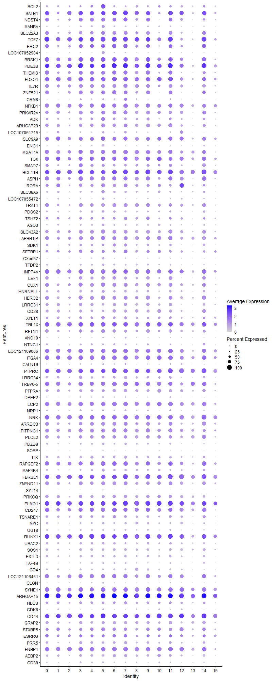
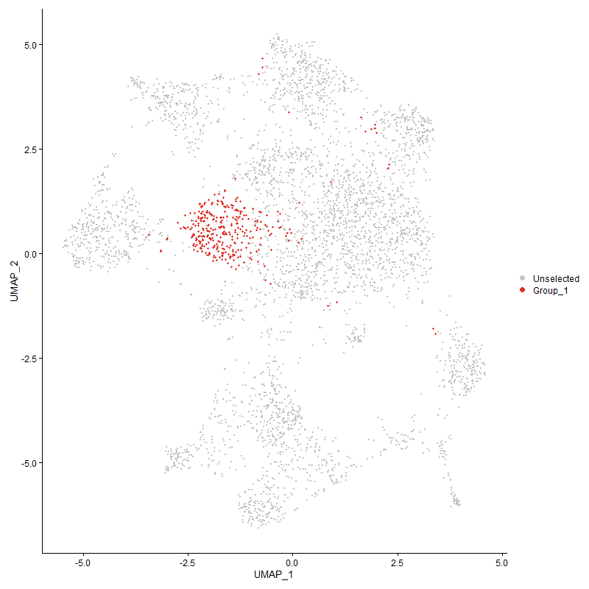
 | p_val | avg_log2FC | pct.1 | pct.2 | p_val_adj | cluster | gene
BCL22 | 1.1437787308E-157 | 1.8750146534 | 0.925 | 0.412 | 1.7466644998E-153 | 5 | BCL2
SATB14 | 3.3718738093E-146 | 1.5729861578 | 0.994 | 0.439 | 5.1491884942E-142 | 5 | SATB1
NDST44 | 8.9552176558E-106 | 1.1931174517 | 0.802 | 0.281 | 1.3675512882E-101 | 5 | NDST4
MANBA2 | 4.4029399335E-142 | 1.1382003523 | 0.67 | 0.165 | 6.7237295725E-138 | 5 | MANBA
SLC22A34 | 1.009299104E-119 | 1.0820520421 | 0.802 | 0.259 | 1.5413006617E-115 | 5 | SLC22A3
TCF75 | 7.6790609484E-96 | 1.0758168708 | 1 | 0.521 | 1.1726693974E-91 | 5 | TCF7
ERC23 | 2.8909664203E-80 | 1.0721927972 | 0.889 | 0.379 | 4.4147948204E-76 | 5 | ERC2
LOC1070529842 | 0 | 1.0716835577 | 0.61 | 0.04 | 0 | 5 | LOC107052984
BRSK15 | 2.1902036268E-76 | 1.0677918917 | 0.964 | 0.559 | 3.3446599585E-72 | 5 | BRSK1
PDE3B5 | 1.8852665421E-80 | 1.0370849286 | 0.997 | 0.798 | 2.8789905365E-76 | 5 | PDE3B
THEMIS5 | 1.043481158E-94 | 1.020792979 | 0.823 | 0.302 | 1.5935000764E-90 | 5 | THEMIS
FOXO15 | 4.4427489372E-74 | 0.9804058928 | 0.976 | 0.679 | 6.784521902E-70 | 5 | FOXO1
IL7R5 | 4.5823494539E-90 | 0.972832349 | 0.838 | 0.34 | 6.9977058511E-86 | 5 | IL7R
ZNF5213 | 5.4054455933E-77 | 0.92908801078 | 0.835 | 0.349 | 8.2546559656E-73 | 5 | ZNF521
GRM82 | 8.578776816E-65 | 0.92655916402 | 0.348 | 0.084 | 1.3100650076E-60 | 5 | GRM8
NFKB13 | 1.1515308381E-60 | 0.90562086951 | 0.976 | 0.756 | 1.7585027428E-56 | 5 | NFKB1
PRKAR2A4 | 6.0540077798E-59 | 0.88446491112 | 0.814 | 0.476 | 9.2450752806E-55 | 5 | PRKAR2A
ADK | 3.1471335965E-59 | 0.87090856766 | 0.772 | 0.368 | 4.8059877152E-55 | 5 | ADK
ARHGAP294 | 4.6682364205E-70 | 0.86982994765 | 0.838 | 0.417 | 7.1288638377E-66 | 5 | ARHGAP29
LOC1070517153 | 6.3953268839E-124 | 0.86241381284 | 0.468 | 0.089 | 9.7663036844E-120 | 5 | LOC107051715
SLC9A94 | 2.6957742078E-48 | 0.8317632635 | 0.907 | 0.63 | 4.1167167928E-44 | 5 | SLC9A9
ENC11 | 5.5234018509E-243 | 0.82955453769 | 0.544 | 0.065 | 8.4347869664E-239 | 5 | ENC1
MGAT4A5 | 1.4920757744E-57 | 0.82416068147 | 0.91 | 0.572 | 2.2785489151E-53 | 5 | MGAT4A
TOX5 | 4.7784021443E-48 | 0.8111732791 | 0.895 | 0.516 | 7.2970979145E-44 | 5 | TOX
SMAD74 | 2.693832133E-49 | 0.81044756594 | 0.649 | 0.295 | 4.1137510502E-45 | 5 | SMAD7
BCL11B5 | 1.2035408269E-56 | 0.78167094456 | 0.988 | 0.621 | 1.8379271967E-52 | 5 | BCL11B
ASPH4 | 2.95046791E-54 | 0.77784995736 | 0.88 | 0.503 | 4.5056595454E-50 | 5 | ASPH
RORA4 | 3.4819407095E-63 | 0.76341354493 | 0.802 | 0.36 | 5.3172716574E-59 | 5 | RORA
SLC38A6 | 1.2227519597E-70 | 0.76260158696 | 0.703 | 0.289 | 1.8672645177E-66 | 5 | SLC38A6
LOC107055472 | 1.0491914998E-46 | 0.76147154325 | 0.48 | 0.193 | 1.6022203394E-42 | 5 | LOC107055472
TRAT14 | 1.8188624525E-73 | 0.75084167853 | 0.748 | 0.292 | 2.7775848513E-69 | 5 | TRAT1
PDSS23 | 2.9537453271E-51 | 0.73738986422 | 0.577 | 0.242 | 4.510664489E-47 | 5 | PDSS2
TSHZ24 | 2.9413268379E-29 | 0.73131481124 | 0.568 | 0.293 | 4.4917002141E-25 | 5 | TSHZ2
AGO32 | 3.2541815351E-57 | 0.72997193021 | 0.598 | 0.246 | 4.9694606222E-53 | 5 | AGO3
SLC43A24 | 8.1501707429E-57 | 0.7280779531 | 0.859 | 0.534 | 1.2446125741E-52 | 5 | SLC43A2
APBB1IP2 | 6.6135150166E-42 | 0.72076186909 | 0.895 | 0.652 | 1.0099498782E-37 | 5 | APBB1IP
SDK13 | 1.2237678592E-33 | 0.71639766526 | 0.601 | 0.323 | 1.8688158977E-29 | 5 | SDK1
SETBP15 | 6.4264661935E-32 | 0.70195502241 | 0.658 | 0.359 | 9.8138565241E-28 | 5 | SETBP1
CXorf57 | 1.3763453368E-70 | 0.70000653314 | 0.474 | 0.141 | 2.1018169638E-66 | 5 | CXorf57
TFDP22 | 2.7758695342E-63 | 0.69381378477 | 0.523 | 0.184 | 4.2390303657E-59 | 5 | TFDP2
INPP4A5 | 2.2934194011E-43 | 0.68935240287 | 0.937 | 0.719 | 3.5022807674E-39 | 5 | INPP4A
LEF14 | 5.0698775852E-47 | 0.66706552178 | 0.691 | 0.331 | 7.7422100603E-43 | 5 | LEF1
CUX13 | 1.6137778819E-40 | 0.66650684499 | 0.88 | 0.615 | 2.4644002034E-36 | 5 | CUX1
HNRNPLL4 | 3.7406588632E-54 | 0.66541874006 | 0.619 | 0.265 | 5.71236015E-50 | 5 | HNRNPLL
HERC24 | 9.7758185183E-52 | 0.64697386317 | 0.877 | 0.498 | 1.4928652459E-47 | 5 | HERC2
LRRC315 | 9.7235267649E-65 | 0.64546408603 | 0.562 | 0.19 | 1.4848797723E-60 | 5 | LRRC31
CD285 | 7.1160352374E-63 | 0.62037468664 | 0.574 | 0.201 | 1.0866897411E-58 | 5 | CD28
XYLT12 | 3.042704739E-36 | 0.60570256025 | 0.73 | 0.416 | 4.6465144069E-32 | 5 | XYLT1
TBL1X3 | 3.7529582891E-36 | 0.60142599296 | 0.964 | 0.813 | 5.7311426033E-32 | 5 | TBL1X
RFTN13 | 3.0951548489E-34 | 0.59942866999 | 0.778 | 0.454 | 4.7266109697E-30 | 5 | RFTN1
ANO103 | 2.1282087758E-29 | 0.59747402293 | 0.267 | 0.09 | 3.2499876216E-25 | 5 | ANO10
NTNG13 | 1.2021972166E-45 | 0.59304250711 | 0.381 | 0.121 | 1.8358753694E-41 | 5 | NTNG1
LOC1211090664 | 1.0138855474E-32 | 0.58682182565 | 0.928 | 0.688 | 1.5483046194E-28 | 5 | LOC121109066
ITGA44 | 2.0269812757E-38 | 0.58657532449 | 0.961 | 0.79 | 3.0954031061E-34 | 5 | ITGA4
GALNT94 | 4.1506075786E-30 | 0.58343381554 | 0.303 | 0.109 | 6.3383928333E-26 | 5 | GALNT9
PTPRC4 | 1.6412039621E-41 | 0.58142650209 | 0.994 | 0.948 | 2.5062825705E-37 | 5 | PTPRC
LRRC344 | 7.7677983836E-70 | 0.57681625355 | 0.556 | 0.177 | 1.1862204912E-65 | 5 | LRRC34
TRBV6-54 | 5.2687317597E-39 | 0.57060005019 | 0.916 | 0.595 | 8.0458802702E-35 | 5 | TRBV6-5
PTPRA5 | 9.5711984766E-30 | 0.56962490813 | 0.649 | 0.378 | 1.4616177194E-25 | 5 | PTPRA
DPEP23 | 9.5950242115E-88 | 0.56579798244 | 0.384 | 0.079 | 1.4652561473E-83 | 5 | DPEP2
LCP24 | 4.0743190398E-33 | 0.56409449053 | 0.934 | 0.658 | 6.2218926057E-29 | 5 | LCP2
NRP13 | 5.3679413502E-43 | 0.56216507211 | 0.414 | 0.144 | 8.1973832359E-39 | 5 | NRP1
NRK3 | 4.6933713272E-36 | 0.56031069594 | 0.97 | 0.849 | 7.1672473537E-32 | 5 | NRK
ARRDC33 | 2.0314554215E-31 | 0.5559843791 | 0.787 | 0.51 | 3.1022355742E-27 | 5 | ARRDC3
PITPNC13 | 6.5566327215E-27 | 0.54428775629 | 0.835 | 0.632 | 1.0012633829E-22 | 5 | PITPNC1
PLCL23 | 2.7582489398E-23 | 0.54240979826 | 0.754 | 0.533 | 4.2121219559E-19 | 5 | PLCL2
PDZD81 | 4.4880836106E-39 | 0.54147424627 | 0.502 | 0.218 | 6.8537524817E-35 | 5 | PDZD8
SOBP | 2.5683232367E-68 | 0.53442258458 | 0.282 | 0.055 | 3.9220864147E-64 | 5 | SOBP
ITK3 | 1.4899746555E-40 | 0.53441962233 | 0.604 | 0.277 | 2.2753402964E-36 | 5 | ITK
RAPGEF24 | 4.4583573782E-46 | 0.53292760579 | 0.922 | 0.642 | 6.8083575522E-42 | 5 | RAPGEF2
MAP4K41 | 1.1602614929E-39 | 0.532801143 | 0.607 | 0.275 | 1.7718353258E-35 | 5 | MAP4K4
FBRSL14 | 1.414033637E-41 | 0.53170550719 | 0.994 | 0.95 | 2.1593707671E-37 | 5 | FBRSL1
ZMYND113 | 1.4307249006E-35 | 0.52785288861 | 0.838 | 0.544 | 2.1848599957E-31 | 5 | ZMYND11
SYT14 | 1.8776286242E-80 | 0.52740489333 | 0.234 | 0.034 | 2.8673266721E-76 | 5 | SYT14
PRKCQ4 | 1.8485687763E-27 | 0.52393863267 | 0.679 | 0.404 | 2.8229493783E-23 | 5 | PRKCQ
ELMO14 | 7.0806363816E-32 | 0.51861015106 | 0.994 | 0.916 | 1.0812839818E-27 | 5 | ELMO1
CD2473 | 1.0600231651E-26 | 0.50667138905 | 0.859 | 0.554 | 1.6187613755E-22 | 5 | CD247
TSNARE13 | 2.8417469685E-18 | 0.49844220965 | 0.586 | 0.363 | 4.3396317957E-14 | 5 | TSNARE1
MYC2 | 2.8925855485E-36 | 0.49807755765 | 0.511 | 0.23 | 4.4172673912E-32 | 5 | MYC
UGT83 | 6.9958509176E-44 | 0.49446770407 | 0.363 | 0.118 | 1.0683363936E-39 | 5 | UGT8
RUNX13 | 4.4829315377E-28 | 0.49280387919 | 1 | 0.921 | 6.8458847513E-24 | 5 | RUNX1
UBAC22 | 1.7713500836E-15 | 0.48808852852 | 0.526 | 0.352 | 2.7050287126E-11 | 5 | UBAC2
SOS13 | 1.1765065835E-38 | 0.48281547756 | 0.598 | 0.289 | 1.7966432037E-34 | 5 | SOS1
EXTL32 | 4.4848055021E-32 | 0.48170829277 | 0.601 | 0.308 | 6.8487464823E-28 | 5 | EXTL3
TAF4B2 | 3.2131550802E-26 | 0.47859129415 | 0.345 | 0.146 | 4.906809123E-22 | 5 | TAF4B
CD45 | 2.9033061776E-72 | 0.47449594538 | 0.432 | 0.111 | 4.4336388638E-68 | 5 | CD4
LOC1211064613 | 1.5972924803E-25 | 0.47210893101 | 0.901 | 0.617 | 2.4392253466E-21 | 5 | LOC121106461
CLGN1 | 1.089750103E-90 | 0.46843646698 | 0.369 | 0.071 | 1.6641573823E-86 | 5 | CLGN
SYNE14 | 7.6551621556E-25 | 0.46730173426 | 0.94 | 0.765 | 1.1690198128E-20 | 5 | SYNE1
ARHGAP154 | 4.0562033863E-30 | 0.46546874859 | 1 | 0.983 | 6.1942281912E-26 | 5 | ARHGAP15
HLCS4 | 1.9176689952E-12 | 0.46158836418 | 0.538 | 0.372 | 2.9284723225E-08 | 5 | HLCS
CDK6 | 3.6913718186E-12 | 0.45653529093 | 0.354 | 0.213 | 5.6370939042E-08 | 5 | CDK6
CD44 | 3.2655695369E-32 | 0.45625984247 | 1 | 0.972 | 4.9868512398E-28 | 5 | CD44
GRAP22 | 4.6269396121E-27 | 0.45214515263 | 0.637 | 0.35 | 7.0657994817E-23 | 5 | GRAP2
STXBP52 | 1.6144731322E-15 | 0.45049555412 | 0.766 | 0.579 | 2.4654619202E-11 | 5 | STXBP5
ESRRG3 | 1.5176080184E-10 | 0.44967754732 | 0.658 | 0.51 | 2.3175392048E-06 | 5 | ESRRG
PRR53 | 9.4664020515E-28 | 0.44894396731 | 0.547 | 0.279 | 1.4456142573E-23 | 5 | PRR5
FNBP14 | 1.1184076468E-29 | 0.44857786873 | 0.958 | 0.779 | 1.7079203174E-25 | 5 | FNBP1
AEBP24 | 2.8653706221E-25 | 0.44632802976 | 0.547 | 0.303 | 4.375707477E-21 | 5 | AEBP2
CD382 | 5.7342937816E-65 | 0.44429077205 | 0.411 | 0.11 | 8.7568400338E-61 | 5 | CD38
DENND1B2 | 1.2519679339E-23 | 0.44237732677 | 0.931 | 0.799 | 1.9118802319E-19 | 5 | DENND1B
LOC1017498094 | 2.5750875615E-24 | 0.44217604904 | 0.877 | 0.551 | 3.9324162152E-20 | 5 | LOC101749809
SLC6A64 | 1.02481873E-21 | 0.44172794579 | 0.976 | 0.883 | 1.5650006827E-17 | 5 | SLC6A6
SNRK4 | 1.0069173478E-19 | 0.44149322082 | 0.565 | 0.344 | 1.5376634819E-15 | 5 | SNRK
TGFBR23 | 4.6802678162E-19 | 0.44117488876 | 0.793 | 0.569 | 7.1472369821E-15 | 5 | TGFBR2
STK38L3 | 1.3715689232E-25 | 0.4389798274 | 0.724 | 0.432 | 2.0945229026E-21 | 5 | STK38L
PHTF23 | 2.6018015681E-24 | 0.4373092312 | 0.706 | 0.457 | 3.9732111746E-20 | 5 | PHTF2
CDK171 | 4.8338769261E-15 | 0.43639742506 | 0.703 | 0.522 | 7.3818134538E-11 | 5 | CDK17
LY75 | 1.2799374614E-22 | 0.43585536228 | 0.742 | 0.514 | 1.9545924972E-18 | 5 | LY75
ARAP24 | 5.1519255569E-22 | 0.43576446994 | 0.796 | 0.556 | 7.8675055179E-18 | 5 | ARAP2
LOC1070531243 | 5.5680183249E-45 | 0.43060923233 | 0.45 | 0.162 | 8.502920784E-41 | 5 | LOC107053124
KLF123 | 1.5677555658E-24 | 0.42842380863 | 0.853 | 0.55 | 2.3941195245E-20 | 5 | KLF12
UBASH3A5 | 2.5878281404E-28 | 0.42837902145 | 0.616 | 0.321 | 3.9518723532E-24 | 5 | UBASH3A
PLXNB23 | 1.6400094291E-32 | 0.42820209034 | 0.24 | 0.07 | 2.5044583991E-28 | 5 | PLXNB2
ICOS4 | 7.4899879103E-57 | 0.42596846188 | 0.483 | 0.152 | 1.1437960538E-52 | 5 | ICOS
DDX52 | 3.6055156889E-24 | 0.41917796831 | 0.925 | 0.857 | 5.5059830085E-20 | 5 | DDX5
SLC4A114 | 5.5246229007E-28 | 0.41740595128 | 0.517 | 0.254 | 8.4366516317E-24 | 5 | SLC4A11
CYP26B1 | 1.4465636183E-243 | 0.41650236203 | 0.258 | 0.013 | 2.2090473015E-239 | 5 | CYP26B1
CUL3 | 2.0073188739E-20 | 0.41541329484 | 0.634 | 0.406 | 3.0653766523E-16 | 5 | CUL3
RASA34 | 6.2227056229E-20 | 0.41468129982 | 0.976 | 0.874 | 9.5026937567E-16 | 5 | RASA3
FBXL21 | 1.5233318775E-21 | 0.41348252029 | 0.342 | 0.155 | 2.3262801101E-17 | 5 | FBXL2
SREK14 | 1.0270864793E-22 | 0.41261048038 | 0.637 | 0.383 | 1.5684637626E-18 | 5 | SREK1
SIPA1L12 | 8.8624680199E-13 | 0.40773603717 | 0.508 | 0.345 | 1.3533874913E-08 | 5 | SIPA1L1
ETS22 | 7.091937838E-27 | 0.40676031983 | 0.547 | 0.284 | 1.0830098272E-22 | 5 | ETS2
PPM1H4 | 2.1735777469E-18 | 0.40578863847 | 0.48 | 0.264 | 3.3192705773E-14 | 5 | PPM1H
HS6ST24 | 2.8801929148E-17 | 0.40560276628 | 0.553 | 0.335 | 4.3983426002E-13 | 5 | HS6ST2
PCGF53 | 7.5988045003E-23 | 0.40404129668 | 0.517 | 0.285 | 1.1604134352E-18 | 5 | PCGF5
TNS33 | 6.4821970498E-19 | 0.40326714638 | 0.483 | 0.271 | 9.8989631147E-15 | 5 | TNS3
FYB14 | 1.9360080528E-26 | 0.40071022158 | 0.637 | 0.349 | 2.9564778974E-22 | 5 | FYB1
PRKCE3 | 3.0737445859E-17 | 0.39537056072 | 0.784 | 0.569 | 4.6939153571E-13 | 5 | PRKCE
ITGA13 | 2.0786776269E-25 | 0.39511681375 | 0.523 | 0.266 | 3.1743486041E-21 | 5 | ITGA1
PFKP3 | 1.2585420418E-15 | 0.39061588129 | 0.541 | 0.354 | 1.921919552E-11 | 5 | PFKP
TXK4 | 3.4844895978E-28 | 0.39031063166 | 0.619 | 0.327 | 5.3211640648E-24 | 5 | TXK
FBXW72 | 9.3466706389E-13 | 0.38960813872 | 0.532 | 0.361 | 1.4273300733E-08 | 5 | FBXW7
ARID5B | 8.7777708011E-24 | 0.38947668988 | 0.649 | 0.371 | 1.340453379E-19 | 5 | ARID5B
MBOAT15 | 1.052502351E-14 | 0.38616325907 | 0.724 | 0.532 | 1.6072763402E-10 | 5 | MBOAT1
PNPLA7 | 5.2593172239E-35 | 0.38413441648 | 0.249 | 0.073 | 8.0315033326E-31 | 5 | PNPLA7
P2RY84 | 1.0042464026E-13 | 0.38364382659 | 0.853 | 0.716 | 1.5335846814E-09 | 5 | P2RY8
MGAT4D | 1.9031952169E-72 | 0.38358926396 | 0.309 | 0.061 | 2.9063694157E-68 | 5 | MGAT4D
BEND3 | 7.2539220517E-23 | 0.38342384272 | 0.435 | 0.221 | 1.1077464365E-18 | 5 | BEND3
KIF16B3 | 2.1699937214E-17 | 0.38048337881 | 0.508 | 0.304 | 3.3137974119E-13 | 5 | KIF16B
FOXK23 | 9.3665777929E-16 | 0.37768848382 | 0.7 | 0.497 | 1.4303700948E-11 | 5 | FOXK2
ERBIN3 | 1.2464150342E-18 | 0.37760981519 | 0.814 | 0.624 | 1.9034003987E-14 | 5 | ERBIN
PAK1 | 2.3561971905E-30 | 0.37535382963 | 0.339 | 0.128 | 3.5981487296E-26 | 5 | PAK1
SUPT3H4 | 2.277732796E-12 | 0.36929603013 | 0.505 | 0.327 | 3.4783257528E-08 | 5 | SUPT3H
FAM65B4 | 3.5406059055E-16 | 0.36867697946 | 0.799 | 0.581 | 5.4068592783E-12 | 5 | FAM65B
RRAS3 | 3.2314012334E-14 | 0.36756207611 | 0.697 | 0.498 | 4.9346728236E-10 | 5 | RRAS
RTN4 | 6.0285160667E-14 | 0.36689722256 | 0.492 | 0.313 | 9.2061468855E-10 | 5 | RTN4
FARS21 | 5.9592937543E-09 | 0.36577360511 | 0.393 | 0.272 | 9.1004374923E-05 | 5 | FARS2
ARHGAP103 | 7.0005747067E-21 | 0.36538895245 | 0.447 | 0.229 | 1.0690577635E-16 | 5 | ARHGAP10
FAM49A2 | 4.7516159556E-12 | 0.36463455114 | 0.757 | 0.607 | 7.2561927257E-08 | 5 | FAM49A
DPYD1 | 2.7954151064E-07 | 0.36392526333 | 0.505 | 0.4 | 0.0042688784089 | 5 | DPYD
LRBA4 | 5.1230538234E-15 | 0.35989326652 | 0.934 | 0.791 | 7.8234154937E-11 | 5 | LRBA
MTHFD1L1 | 5.2324010076E-15 | 0.35742920113 | 0.339 | 0.175 | 7.9903995787E-11 | 5 | MTHFD1L
ADD13 | 2.9693932059E-14 | 0.35710462121 | 0.538 | 0.363 | 4.5345603647E-10 | 5 | ADD1
CD823 | 3.0460173041E-21 | 0.35605818304 | 0.559 | 0.321 | 4.6515730251E-17 | 5 | CD82
BMPR2 | 3.1800061297E-11 | 0.3551066345 | 0.535 | 0.371 | 4.8561873607E-07 | 5 | BMPR2
GPR653 | 4.2707114968E-21 | 0.35500074293 | 0.486 | 0.26 | 6.5218035267E-17 | 5 | GPR65
SSBP23 | 1.7044745531E-16 | 0.35362482484 | 0.333 | 0.16 | 2.6029030901E-12 | 5 | SSBP2
ERO1B | 7.6007281539E-11 | 0.3525869049 | 0.414 | 0.266 | 1.1607071964E-06 | 5 | ERO1B
NDEL1 | 1.3896157218E-21 | 0.35180738411 | 0.508 | 0.281 | 2.1220821687E-17 | 5 | NDEL1
CALCA3 | 6.9270763603E-15 | 0.35096938443 | 0.754 | 0.533 | 1.057833831E-10 | 5 | CALCA
SPTAN1 | 2.4150335336E-22 | 0.35094020966 | 0.471 | 0.244 | 3.6879977091E-18 | 5 | SPTAN1
APBA22 | 2.4264232043E-21 | 0.34943062797 | 0.162 | 0.048 | 3.7053908753E-17 | 5 | APBA2
DOCK23 | 3.5017365933E-16 | 0.34858367406 | 0.961 | 0.88 | 5.3475019517E-12 | 5 | DOCK2
MACROD24 | 1.9462913753E-08 | 0.34609303926 | 0.559 | 0.405 | 0.00029721815592 | 5 | MACROD2
PLB11 | 4.6964758825E-37 | 0.34597860063 | 0.258 | 0.072 | 7.1719883202E-33 | 5 | PLB1
STAG11 | 6.9568059632E-11 | 0.34428791097 | 0.589 | 0.438 | 1.0623738386E-06 | 5 | STAG1
CDYL2 | 1.1515367775E-14 | 0.34228845735 | 0.339 | 0.176 | 1.7585118129E-10 | 5 | CDYL
ABI2 | 6.6264746682E-20 | 0.34214516937 | 0.321 | 0.146 | 1.0119289466E-15 | 5 | ABI2
SPATA5 | 1.8852209882E-09 | 0.34180771789 | 0.357 | 0.228 | 2.8789209711E-05 | 5 | SPATA5
PREX14 | 1.3620800786E-19 | 0.34012899742 | 0.985 | 0.886 | 2.080032488E-15 | 5 | PREX1
NRIP13 | 1.6950256487E-15 | 0.339366046 | 0.736 | 0.509 | 2.5884736681E-11 | 5 | NRIP1
TRA2A1 | 3.2822979071E-15 | 0.33724603673 | 0.7 | 0.503 | 5.0123971339E-11 | 5 | TRA2A
LPP3 | 4.022941427E-24 | 0.33599721034 | 0.793 | 0.51 | 6.1434338531E-20 | 5 | LPP
KAT6B2 | 1.0090546253E-13 | 0.33405466835 | 0.547 | 0.355 | 1.5409273183E-09 | 5 | KAT6B
PPP1R12A4 | 2.775207751E-16 | 0.33373913688 | 0.928 | 0.815 | 4.2380197566E-12 | 5 | PPP1R12A
IMMP2L2 | 1.3801525024E-10 | 0.33088992401 | 0.447 | 0.279 | 2.1076308864E-06 | 5 | IMMP2L
AKAP9 | 2.3074729493E-14 | 0.32981805803 | 0.658 | 0.467 | 3.5237419409E-10 | 5 | AKAP9
ADD33 | 1.9680473178E-10 | 0.32910884835 | 0.703 | 0.562 | 3.0054050591E-06 | 5 | ADD3
DIP2C3 | 4.9751414292E-13 | 0.3281534383 | 0.264 | 0.131 | 7.5975384765E-09 | 5 | DIP2C
LDLRAD44 | 1.5632164007E-13 | 0.32165350034 | 0.64 | 0.431 | 2.3871877654E-09 | 5 | LDLRAD4
TNRC6B3 | 9.7123241417E-11 | 0.32071381839 | 0.814 | 0.703 | 1.4831690197E-06 | 5 | TNRC6B
IKZF14 | 2.3390918809E-12 | 0.32065050577 | 0.865 | 0.738 | 3.5720272113E-08 | 5 | IKZF1
TMEM1231 | 8.0557140346E-15 | 0.31942393551 | 0.508 | 0.315 | 1.2301880902E-10 | 5 | TMEM123
DIP2B4 | 2.0606663015E-15 | 0.31827536068 | 0.664 | 0.445 | 3.1468435091E-11 | 5 | DIP2B
FAM53A3 | 1.6630896309E-14 | 0.31660516455 | 0.649 | 0.43 | 2.5397041753E-10 | 5 | FAM53A
MLLT10 | 1.6655574719E-06 | 0.31649748786 | 0.61 | 0.523 | 0.025434728154 | 5 | MLLT10
CEP85L3 | 1.2021620578E-08 | 0.31554952558 | 0.778 | 0.686 | 0.00018358216785 | 5 | CEP85L
PRKACB3 | 2.7705551729E-09 | 0.31531088718 | 0.619 | 0.477 | 4.2309148046E-05 | 5 | PRKACB
GRK41 | 1.9108668294E-12 | 0.31415863957 | 0.715 | 0.531 | 2.9180847352E-08 | 5 | GRK4
SKAP15 | 2.5377638518E-13 | 0.3133965037 | 0.462 | 0.282 | 3.875419178E-09 | 5 | SKAP1
CD3E2 | 6.9458338427E-13 | 0.31207919004 | 0.492 | 0.306 | 1.0606982861E-08 | 5 | CD3E
ACSL33 | 2.685270903E-17 | 0.31031321443 | 0.441 | 0.242 | 4.100677196E-13 | 5 | ACSL3
FBXO34 | 2.9156571636E-18 | 0.31009817251 | 0.396 | 0.206 | 4.4525000546E-14 | 5 | FBXO34
ABCG13 | 7.2228130316E-13 | 0.30913264652 | 0.456 | 0.284 | 1.1029957781E-08 | 5 | ABCG1
DLG12 | 1.2537155574E-08 | 0.30809865732 | 0.33 | 0.21 | 0.00019145490278 | 5 | DLG1
CELF24 | 3.2192774933E-13 | 0.30784368383 | 0.976 | 0.919 | 4.9161586601E-09 | 5 | CELF2
TNFSF81 | 2.7170983275E-18 | 0.30667383208 | 0.351 | 0.171 | 4.149280856E-14 | 5 | TNFSF8
PITPNM24 | 2.8960244239E-18 | 0.30659168591 | 0.526 | 0.293 | 4.4225188977E-14 | 5 | PITPNM2
DOCK9 | 1.6454164276E-15 | 0.30649365699 | 0.297 | 0.144 | 2.5127154266E-11 | 5 | DOCK9
UTRN2 | 8.5526374016E-14 | 0.30117935056 | 0.976 | 0.919 | 1.3060732576E-09 | 5 | UTRN
TSPAN184 | 1.1798557124E-26 | 0.29433024343 | 0.279 | 0.099 | 1.8017576583E-22 | 5 | TSPAN18
LOC1211132033 | 1.8399772086E-30 | 0.29430832477 | 0.288 | 0.097 | 2.8098291952E-26 | 5 | LOC121113203
RASA14 | 7.5243778963E-17 | 0.29218662309 | 0.399 | 0.211 | 1.1490477485E-12 | 5 | RASA1
LRRC28 | 3.7302615714E-14 | 0.29110410524 | 0.267 | 0.128 | 5.6964824457E-10 | 5 | LRRC28
CDIN1 | 4.5395785558E-13 | 0.29016851078 | 0.255 | 0.125 | 6.9323904126E-09 | 5 | CDIN1
SMCHD14 | 9.1986953171E-12 | 0.2888104194 | 0.709 | 0.537 | 1.4047327619E-07 | 5 | SMCHD1
CCDC91 | 2.0438914401E-05 | 0.28752399248 | 0.222 | 0.144 | 0.31212266181 | 5 | CCDC91
DUSP7 | 6.3941331212E-17 | 0.28664717642 | 0.438 | 0.24 | 9.7644806894E-13 | 5 | DUSP7
LOC100859072 | 3.0643272327E-10 | 0.28635010529 | 0.553 | 0.396 | 4.6795341171E-06 | 5 | LOC100859072
KMT2E | 4.6717124016E-10 | 0.28391402183 | 0.748 | 0.585 | 7.1341720084E-06 | 5 | KMT2E
PPP3CB | 2.6397646528E-10 | 0.28119810858 | 0.48 | 0.334 | 4.0311846013E-06 | 5 | PPP3CB
BTBD9 | 3.6190290308E-06 | 0.28089033117 | 0.489 | 0.387 | 0.05526619233 | 5 | BTBD9
ST8SIA44 | 8.2436644586E-12 | 0.28035705026 | 0.559 | 0.391 | 1.2588899995E-07 | 5 | ST8SIA4
LOC4312503 | 4.3711164656E-49 | 0.2796338004 | 0.252 | 0.057 | 6.6751319546E-45 | 5 | LOC431250
TPK12 | 7.4861490088E-07 | 0.2792332047 | 0.393 | 0.275 | 0.011432098151 | 5 | TPK1
TNRC6C4 | 1.1296863988E-10 | 0.27628295427 | 0.859 | 0.757 | 1.7251440997E-06 | 5 | TNRC6C
ETNK13 | 1.0641484865E-10 | 0.27290643015 | 0.42 | 0.272 | 1.6250611537E-06 | 5 | ETNK1
HNRNPR | 1.2031925208E-09 | 0.27217859076 | 0.616 | 0.471 | 1.8373952984E-05 | 5 | HNRNPR
CD54 | 1.2721835664E-22 | 0.2710523011 | 0.288 | 0.115 | 1.9427515243E-18 | 5 | CD5
TBC1D22A | 9.9319618809E-05 | 0.27037715415 | 0.387 | 0.303 | 1 | 5 | TBC1D22A
ABI14 | 1.1218308972E-09 | 0.27017667552 | 0.853 | 0.68 | 1.7131479631E-05 | 5 | ABI1
HIPK2 | 1.845260512E-13 | 0.2700438211 | 0.378 | 0.209 | 2.8178973279E-09 | 5 | HIPK2
ASCC3 | 0.00043138587805 | 0.26898919259 | 0.393 | 0.327 | 1 | 5 | ASCC3
ZNRF22 | 1.1729716722E-11 | 0.26858653786 | 0.844 | 0.667 | 1.7912450405E-07 | 5 | ZNRF2
RGS93 | 1.1208890031E-13 | 0.26770921958 | 0.48 | 0.298 | 1.7117095966E-09 | 5 | RGS9
LOC1017522502 | 6.3755110574E-10 | 0.26720774287 | 0.381 | 0.229 | 9.7360429357E-06 | 5 | LOC101752250
PLCB21 | 3.5200030251E-21 | 0.26709731787 | 0.327 | 0.143 | 5.3753966196E-17 | 5 | PLCB2
MAD1L1 | 7.6411717785E-09 | 0.26648321735 | 0.459 | 0.316 | 0.00011668833423 | 5 | MAD1L1
LOC1070489905 | 4.430940223E-11 | 0.26608904528 | 0.778 | 0.612 | 6.7664888145E-07 | 5 | LOC107048990
SESN13 | 9.9770382205E-15 | 0.26505081009 | 0.679 | 0.446 | 1.5235935067E-10 | 5 | SESN1
TAGAP | 1.5128230656E-08 | 0.2649799622 | 0.393 | 0.259 | 0.00023102321035 | 5 | TAGAP
EPB412 | 2.1372490978E-12 | 0.26486180809 | 0.459 | 0.291 | 3.2637930972E-08 | 5 | EPB41
SLC9A73 | 4.6313098052E-14 | 0.26458471353 | 0.568 | 0.35 | 7.0724732035E-10 | 5 | SLC9A7
EIF4G31 | 1.0187880135E-08 | 0.26435444862 | 0.61 | 0.463 | 0.00015557911754 | 5 | EIF4G3
PARP82 | 1.5453836277E-06 | 0.26382398194 | 0.387 | 0.277 | 0.023599553378 | 5 | PARP8
SLA4 | 9.2457707061E-08 | 0.26215510917 | 0.664 | 0.486 | 0.0014119216445 | 5 | SLA
FAR2 | 5.1977199412E-06 | 0.26149722027 | 0.417 | 0.304 | 0.079374381222 | 5 | FAR2
PTBP2 | 1.5900474391E-07 | 0.26037706605 | 0.42 | 0.298 | 0.0024281614442 | 5 | PTBP2
CBLB4 | 7.4397550595E-15 | 0.25883900613 | 0.883 | 0.672 | 1.1361249951E-10 | 5 | CBLB
RAB2A | 2.0930987132E-09 | 0.25811703246 | 0.697 | 0.541 | 3.196371045E-05 | 5 | RAB2A
KLF31 | 1.0518629843E-19 | 0.25750166781 | 0.282 | 0.118 | 1.6062999633E-15 | 5 | KLF3
AGPAT42 | 6.7759903761E-13 | 0.25739206542 | 0.252 | 0.124 | 1.0347614903E-08 | 5 | AGPAT4
PUDP1 | 5.9293976298E-08 | 0.25530128895 | 0.264 | 0.16 | 0.00090547831204 | 5 | PUDP
ROCK12 | 5.4767513296E-07 | 0.25399714064 | 0.856 | 0.79 | 0.0083635469554 | 5 | ROCK1
TMEM2452 | 5.3461793506E-09 | 0.25395840278 | 0.45 | 0.311 | 8.1641504863E-05 | 5 | TMEM245
SUCLG2 | 0.00031966834381 | 0.25304844605 | 0.27 | 0.2 | 1 | 5 | SUCLG2
SPTBN13 | 6.9425206857E-11 | 0.25281377023 | 0.877 | 0.729 | 1.0601923339E-06 | 5 | SPTBN1
LRPPRC1 | 2.8169972417E-06 | 0.25242502075 | 0.417 | 0.31 | 0.043018364878 | 5 | LRPPRC
PTPRB3 | 2.2070034862E-21 | 0.25200155191 | 0.246 | 0.092 | 3.3703150238E-17 | 5 | PTPRB
MSRA | 5.245795639E-05 | 0.25044020353 | 0.3 | 0.216 | 0.80108545203 | 5 | MSRA
CEBPZ | 6.4399847909E-13 | 0.25005908656 | 0.387 | 0.224 | 9.8345007741E-09 | 5 | CEBPZ

Cluster6
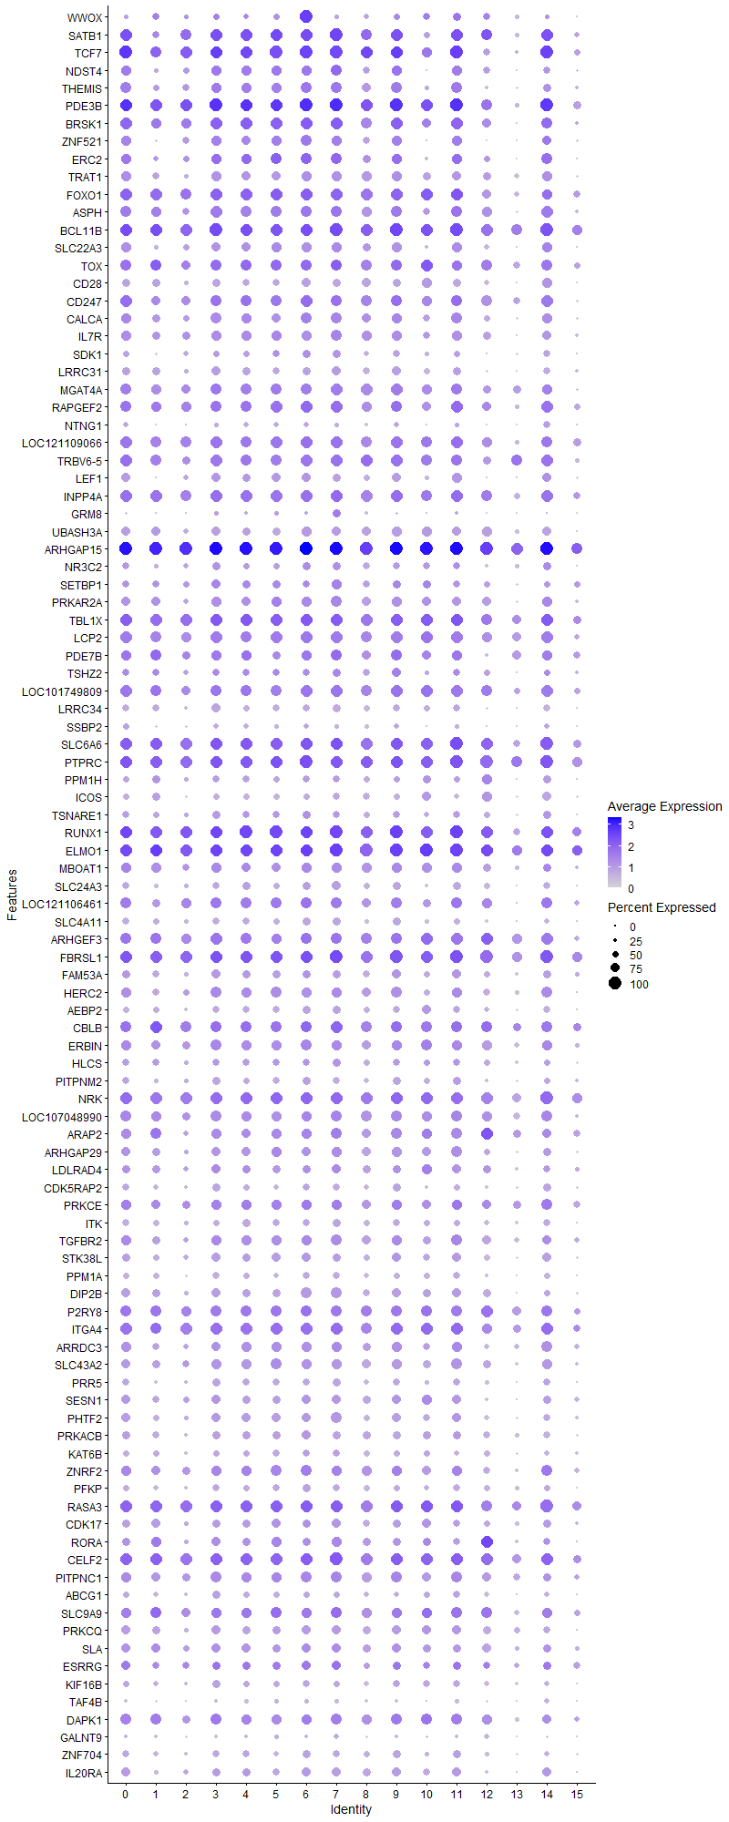
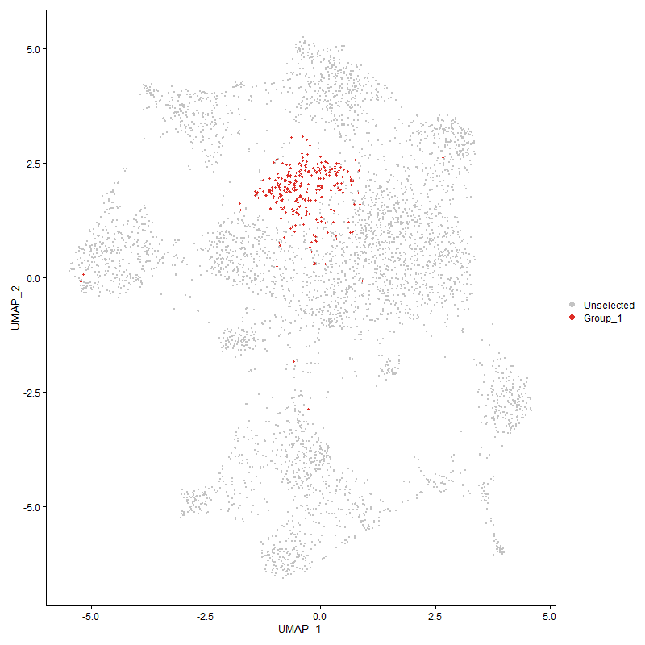
 | p_val | avg_log2FC | pct.1 | pct.2 | p_val_adj | cluster | gene
WWOX3 | 6.8262657764E-197 | 2.1928726816 | 1 | 0.362 | 1.0424390467E-192 | 6 | WWOX
SATB15 | 1.7695217104E-111 | 1.4920611368 | 0.986 | 0.441 | 2.702236604E-107 | 6 | SATB1 | special AT-rich sequence-binding protein-1 | transcription regulation 10.1080/19491034.2020.1775037
TCF76 | 3.887183449E-103 | 1.3428503606 | 1 | 0.523 | 5.9361178449E-99 | 6 | TCF7
NDST45 | 9.3526188556E-97 | 1.2632544053 | 0.827 | 0.282 | 1.4282384254E-92 | 6 | NDST4 | N-Deacetylase And N-Sulfotransferase 4
THEMIS6 | 6.4762791354E-99 | 1.2525252955 | 0.845 | 0.304 | 9.8899258677E-95 | 6 | THEMIS
PDE3B6 | 3.9388171319E-91 | 1.2421680818 | 1 | 0.799 | 6.0149676421E-87 | 6 | PDE3B
BRSK16 | 8.90454338E-81 | 1.1847895257 | 0.993 | 0.56 | 1.3598128196E-76 | 6 | BRSK1
ZNF5214 | 3.57895185E-73 | 1.0871812321 | 0.848 | 0.35 | 5.4654173701E-69 | 6 | ZNF521
ERC24 | 1.0787850395E-63 | 0.98301238291 | 0.877 | 0.381 | 1.6474126338E-59 | 6 | ERC2
TRAT15 | 2.2764805479E-87 | 0.95694920916 | 0.812 | 0.293 | 3.4764134447E-83 | 6 | TRAT1
FOXO16 | 2.4687080068E-59 | 0.94604538888 | 0.975 | 0.68 | 3.7699639972E-55 | 6 | FOXO1
ASPH5 | 5.6762640351E-50 | 0.92179034141 | 0.87 | 0.504 | 8.668222808E-46 | 6 | ASPH
BCL11B6 | 1.8025749322E-54 | 0.91691548129 | 0.986 | 0.623 | 2.7527121789E-50 | 6 | BCL11B
SLC22A35 | 8.5146191815E-82 | 0.90912160052 | 0.769 | 0.261 | 1.3002674952E-77 | 6 | SLC22A3
TOX6 | 1.2203659374E-37 | 0.8215692729 | 0.87 | 0.518 | 1.863620823E-33 | 6 | TOX
CD286 | 2.5207380512E-99 | 0.82102366012 | 0.715 | 0.2 | 3.8494190781E-95 | 6 | CD28
CD2474 | 5.1264410463E-51 | 0.8020204133 | 0.971 | 0.553 | 7.8285881218E-47 | 6 | CD247
CALCA4 | 2.8547601274E-37 | 0.79492249617 | 0.863 | 0.532 | 4.3595041905E-33 | 6 | CALCA
IL7R6 | 8.8281016664E-65 | 0.78485854478 | 0.838 | 0.342 | 1.3481394055E-60 | 6 | IL7R
SDK14 | 3.4715853339E-33 | 0.78035218743 | 0.639 | 0.323 | 5.3014579635E-29 | 6 | SDK1
LRRC316 | 1.5124952582E-74 | 0.77890422418 | 0.625 | 0.19 | 2.3097315088E-70 | 6 | LRRC31
MGAT4A6 | 2.5496777712E-42 | 0.77711965535 | 0.903 | 0.573 | 3.8936129244E-38 | 6 | MGAT4A
RAPGEF25 | 3.8652033E-46 | 0.75140880084 | 0.935 | 0.642 | 5.9025519595E-42 | 6 | RAPGEF2
NTNG14 | 7.5364461493E-50 | 0.74281219171 | 0.415 | 0.121 | 1.1508906915E-45 | 6 | NTNG1
LOC1211090665 | 6.1285089203E-40 | 0.74269306284 | 0.935 | 0.689 | 9.3588459722E-36 | 6 | LOC121109066
TRBV6-55 | 1.3390773235E-40 | 0.73464921359 | 0.924 | 0.596 | 2.0449049807E-36 | 6 | TRBV6-5
LEF15 | 7.6012815336E-43 | 0.73026441751 | 0.7 | 0.332 | 1.160791703E-38 | 6 | LEF1
INPP4A6 | 2.3648744468E-42 | 0.72823470469 | 0.939 | 0.72 | 3.6113997677E-38 | 6 | INPP4A
GRM83 | 1.0467925629E-22 | 0.72604418868 | 0.253 | 0.086 | 1.5985569228E-18 | 6 | GRM8
UBASH3A6 | 2.982469742E-59 | 0.72535614664 | 0.765 | 0.32 | 4.554529543E-55 | 6 | UBASH3A
ARHGAP155 | 3.8019532518E-58 | 0.72229763364 | 1 | 0.983 | 5.8059628109E-54 | 6 | ARHGAP15
NR3C23 | 4.2862664876E-21 | 0.71986508712 | 0.603 | 0.362 | 6.5455575532E-17 | 6 | NR3C2
SETBP16 | 1.6421763708E-21 | 0.71764349626 | 0.592 | 0.361 | 2.5077675359E-17 | 6 | SETBP1
PRKAR2A5 | 4.382969074E-34 | 0.69955398482 | 0.805 | 0.477 | 6.6932320729E-30 | 6 | PRKAR2A
TBL1X4 | 9.5065569183E-33 | 0.69903129235 | 0.978 | 0.813 | 1.451746307E-28 | 6 | TBL1X
LCP25 | 1.3348511196E-36 | 0.68112870418 | 0.931 | 0.659 | 2.0384511448E-32 | 6 | LCP2
PDE7B5 | 4.2774083203E-33 | 0.6788495171 | 0.805 | 0.443 | 6.5320302459E-29 | 6 | PDE7B
TSHZ25 | 7.1588820467E-23 | 0.67247767791 | 0.552 | 0.294 | 1.0932328774E-18 | 6 | TSHZ2
LOC1017498095 | 1.2307774474E-39 | 0.67105084582 | 0.939 | 0.551 | 1.8795202399E-35 | 6 | LOC101749809
LRRC345 | 5.7364878999E-70 | 0.6679700954 | 0.588 | 0.178 | 8.7601906719E-66 | 6 | LRRC34
SSBP24 | 4.3447994741E-26 | 0.65877199886 | 0.383 | 0.16 | 6.6349432769E-22 | 6 | SSBP2
SLC6A65 | 3.6009277139E-35 | 0.6548696911 | 0.989 | 0.883 | 5.4989767119E-31 | 6 | SLC6A6
PTPRC5 | 1.2187923736E-44 | 0.65413616629 | 1 | 0.948 | 1.8612178338E-40 | 6 | PTPRC
PPM1H5 | 2.0405937594E-30 | 0.65204135188 | 0.56 | 0.263 | 3.11619073E-26 | 6 | PPM1H
ICOS5 | 9.4733567312E-58 | 0.6491105522 | 0.505 | 0.152 | 1.4466763064E-53 | 6 | ICOS
TSNARE14 | 2.7947173877E-26 | 0.63450974026 | 0.653 | 0.362 | 4.2678129227E-22 | 6 | TSNARE1
RUNX14 | 4.5145177988E-37 | 0.63303686819 | 0.989 | 0.921 | 6.8941201305E-33 | 6 | RUNX1
ELMO15 | 4.921207082E-38 | 0.62852210121 | 0.996 | 0.916 | 7.515175335E-34 | 6 | ELMO1
MBOAT16 | 5.2342549706E-30 | 0.62579135187 | 0.83 | 0.531 | 7.9932307656E-26 | 6 | MBOAT1
SLC24A33 | 5.3496517853E-30 | 0.61789393893 | 0.661 | 0.355 | 8.1694532414E-26 | 6 | SLC24A3
LOC1211064614 | 1.2023240658E-26 | 0.61608295157 | 0.91 | 0.617 | 1.8360690809E-22 | 6 | LOC121106461
SLC4A115 | 1.0853882226E-45 | 0.60838589133 | 0.614 | 0.253 | 1.6574963547E-41 | 6 | SLC4A11
ARHGEF34 | 2.0667267549E-25 | 0.60735239593 | 0.892 | 0.647 | 3.1560984274E-21 | 6 | ARHGEF3
FBRSL15 | 2.1082384098E-36 | 0.60554367975 | 0.986 | 0.95 | 3.2194908756E-32 | 6 | FBRSL1
FAM53A4 | 1.6646005006E-21 | 0.60522394098 | 0.657 | 0.43 | 2.5420114245E-17 | 6 | FAM53A
HERC25 | 2.8626926311E-33 | 0.60065843713 | 0.823 | 0.5 | 4.371617917E-29 | 6 | HERC2
AEBP25 | 2.2149814931E-34 | 0.60011082959 | 0.628 | 0.302 | 3.3824982381E-30 | 6 | AEBP2
CBLB5 | 2.8703382135E-28 | 0.59695891251 | 0.917 | 0.672 | 4.3832934858E-24 | 6 | CBLB
ERBIN4 | 1.6284621901E-22 | 0.59058769038 | 0.848 | 0.624 | 2.4868246105E-18 | 6 | ERBIN
HLCS5 | 1.0068081318E-15 | 0.5885188031 | 0.574 | 0.372 | 1.5374966981E-11 | 6 | HLCS
PITPNM25 | 2.543268437E-45 | 0.58839890218 | 0.686 | 0.291 | 3.8838252301E-41 | 6 | PITPNM2
NRK4 | 6.7657903188E-32 | 0.57959231429 | 0.982 | 0.85 | 1.0332038396E-27 | 6 | NRK
LOC1070489906 | 4.4118744261E-23 | 0.57158987586 | 0.827 | 0.611 | 6.7373734361E-19 | 6 | LOC107048990
ARAP25 | 2.8785338182E-24 | 0.56604366851 | 0.819 | 0.556 | 4.3958089938E-20 | 6 | ARAP2
ARHGAP295 | 3.934116003E-28 | 0.56572720947 | 0.726 | 0.421 | 6.0077885481E-24 | 6 | ARHGAP29
LDLRAD45 | 1.6454145492E-17 | 0.5646018315 | 0.65 | 0.432 | 2.5127125582E-13 | 6 | LDLRAD4
CDK5RAP23 | 6.1468210045E-30 | 0.55773927575 | 0.606 | 0.311 | 9.386810356E-26 | 6 | CDK5RAP2
PRKCE4 | 2.5621254007E-24 | 0.55552622445 | 0.834 | 0.569 | 3.9126216994E-20 | 6 | PRKCE
ITK4 | 2.4078944486E-35 | 0.55464699113 | 0.603 | 0.278 | 3.6770956125E-31 | 6 | ITK
TGFBR24 | 8.8365819092E-19 | 0.55145000148 | 0.762 | 0.571 | 1.3494344233E-14 | 6 | TGFBR2
STK38L4 | 2.6856744298E-27 | 0.5485457951 | 0.733 | 0.432 | 4.1012934218E-23 | 6 | STK38L
PPM1A4 | 4.2509284448E-32 | 0.54809746571 | 0.57 | 0.273 | 6.491592828E-28 | 6 | PPM1A
DIP2B5 | 2.8577532047E-42 | 0.54751291589 | 0.852 | 0.442 | 4.3640749189E-38 | 6 | DIP2B
P2RY85 | 2.8286451609E-20 | 0.54258043381 | 0.899 | 0.715 | 4.3196240252E-16 | 6 | P2RY8
ITGA45 | 9.2849654786E-27 | 0.54008698757 | 0.986 | 0.79 | 1.4179070782E-22 | 6 | ITGA4
ARRDC34 | 1.4736599827E-21 | 0.53907475253 | 0.762 | 0.512 | 2.2504261595E-17 | 6 | ARRDC3
SLC43A25 | 2.3513263542E-25 | 0.53744348337 | 0.791 | 0.536 | 3.5907104754E-21 | 6 | SLC43A2
PRR54 | 1.2745116562E-27 | 0.5356636037 | 0.56 | 0.28 | 1.9463067502E-23 | 6 | PRR5
SESN14 | 3.7013444312E-24 | 0.52845058694 | 0.751 | 0.446 | 5.6523230808E-20 | 6 | SESN1
PHTF24 | 3.7000162177E-25 | 0.52542326339 | 0.744 | 0.457 | 5.6502947661E-21 | 6 | PHTF2
PRKACB4 | 5.5654658728E-20 | 0.52234919932 | 0.711 | 0.476 | 8.4990229344E-16 | 6 | PRKACB
KAT6B3 | 8.2720216223E-22 | 0.52152120751 | 0.603 | 0.355 | 1.2632204219E-17 | 6 | KAT6B
ZNRF23 | 4.1892781208E-17 | 0.51683015447 | 0.845 | 0.667 | 6.3974466182E-13 | 6 | ZNRF2
PFKP4 | 1.6351292194E-24 | 0.51618727276 | 0.617 | 0.353 | 2.4970058309E-20 | 6 | PFKP
RASA35 | 4.7101677394E-22 | 0.51350672933 | 0.971 | 0.875 | 7.1928971548E-18 | 6 | RASA3
CDK172 | 6.0391884405E-14 | 0.51323820056 | 0.671 | 0.523 | 9.2224446676E-10 | 6 | CDK17
RORA5 | 3.7704880183E-19 | 0.50696503127 | 0.632 | 0.364 | 5.7579122527E-15 | 6 | RORA
CELF25 | 6.836953873E-23 | 0.50460345652 | 0.975 | 0.919 | 1.044071226E-18 | 6 | CELF2
PITPNC14 | 2.3274179431E-22 | 0.50331242085 | 0.859 | 0.632 | 3.5541999409E-18 | 6 | PITPNC1
ABCG14 | 1.9187672216E-20 | 0.5022224176 | 0.527 | 0.283 | 2.9301494241E-16 | 6 | ABCG1
SLC9A95 | 4.8506082158E-16 | 0.49986532185 | 0.809 | 0.632 | 7.4073638064E-12 | 6 | SLC9A9
PRKCQ5 | 1.1908511776E-25 | 0.49980010939 | 0.708 | 0.404 | 1.8185488333E-21 | 6 | PRKCQ
SLA5 | 1.8485994222E-15 | 0.4986938461 | 0.718 | 0.485 | 2.8229961777E-11 | 6 | SLA
ESRRG4 | 4.1700107443E-11 | 0.49775524907 | 0.693 | 0.51 | 6.3680234076E-07 | 6 | ESRRG
KIF16B4 | 1.9785556511E-24 | 0.49328683972 | 0.578 | 0.303 | 3.0214523349E-20 | 6 | KIF16B
TAF4B3 | 6.2863049446E-21 | 0.48805018307 | 0.339 | 0.147 | 9.5998162809E-17 | 6 | TAF4B
DAPK14 | 1.518875192E-18 | 0.48756158703 | 0.841 | 0.696 | 2.3194743057E-14 | 6 | DAPK1
GALNT95 | 6.596201173E-19 | 0.48614893682 | 0.274 | 0.11 | 1.0073058811E-14 | 6 | GALNT9
ZNF7043 | 1.3101785797E-22 | 0.48473231103 | 0.61 | 0.341 | 2.000773709E-18 | 6 | ZNF704
IL20RA3 | 3.0808739541E-26 | 0.48302211896 | 0.693 | 0.359 | 4.7048026152E-22 | 6 | IL20RA
HNRNPLL5 | 2.8004315437E-20 | 0.48195577114 | 0.509 | 0.268 | 4.2765390104E-16 | 6 | HNRNPLL
CCNY4 | 1.8768969409E-17 | 0.47948044467 | 0.722 | 0.481 | 2.8662093185E-13 | 6 | CCNY
SKAP16 | 3.8229971339E-27 | 0.47631492007 | 0.581 | 0.28 | 5.8380989232E-23 | 6 | SKAP1
SMAD75 | 5.9772337006E-25 | 0.47572543322 | 0.588 | 0.297 | 9.1278335842E-21 | 6 | SMAD7
TNRC6C5 | 1.653056226E-22 | 0.47306504997 | 0.939 | 0.756 | 2.5243821628E-18 | 6 | TNRC6C
SMCHD15 | 6.2910786711E-19 | 0.47234487796 | 0.736 | 0.537 | 9.6071062387E-15 | 6 | SMCHD1
TPK13 | 2.7977068432E-14 | 0.47228749635 | 0.455 | 0.274 | 4.2723781202E-10 | 6 | TPK1
PLCL24 | 1.7558200109E-17 | 0.46645413172 | 0.744 | 0.534 | 2.6813127386E-13 | 6 | PLCL2
KLF133 | 1.8742379512E-16 | 0.46598949045 | 0.762 | 0.584 | 2.8621487752E-12 | 6 | KLF13
PDSS24 | 3.0123802536E-17 | 0.4656242132 | 0.455 | 0.245 | 4.6002058853E-13 | 6 | PDSS2
FYB15 | 1.2398942384E-24 | 0.46345787784 | 0.639 | 0.35 | 1.8934424914E-20 | 6 | FYB1
ANO104 | 7.5757819902E-11 | 0.46054594003 | 0.202 | 0.092 | 1.1568976677E-06 | 6 | ANO10
LOC1017522503 | 5.4215639006E-13 | 0.45945352693 | 0.404 | 0.229 | 8.2792702326E-09 | 6 | LOC101752250
SOS14 | 1.1519930294E-26 | 0.44869972269 | 0.578 | 0.29 | 1.7592085552E-22 | 6 | SOS1
IKZF15 | 9.9354373382E-19 | 0.44660368024 | 0.903 | 0.738 | 1.5172406359E-14 | 6 | IKZF1
RASA15 | 7.9733406864E-26 | 0.44603599958 | 0.466 | 0.211 | 1.2176088562E-21 | 6 | RASA1
PPP1R12A5 | 3.9466685002E-19 | 0.44584410848 | 0.888 | 0.816 | 6.0269574667E-15 | 6 | PPP1R12A
PLXNB24 | 4.637600588E-32 | 0.44517224045 | 0.256 | 0.07 | 7.0820798579E-28 | 6 | PLXNB2
APBB1IP3 | 3.4330209302E-14 | 0.44066802065 | 0.801 | 0.654 | 5.2425662626E-10 | 6 | APBB1IP
PTPRA6 | 3.6619709396E-26 | 0.43540542002 | 0.704 | 0.378 | 5.5921958219E-22 | 6 | PTPRA
NFKB14 | 4.3494017421E-12 | 0.43539075131 | 0.874 | 0.759 | 6.6419714004E-08 | 6 | NFKB1
PCMTD12 | 1.5771461888E-20 | 0.43281854232 | 0.805 | 0.509 | 2.4084599449E-16 | 6 | PCMTD1
...

Cluster7
...
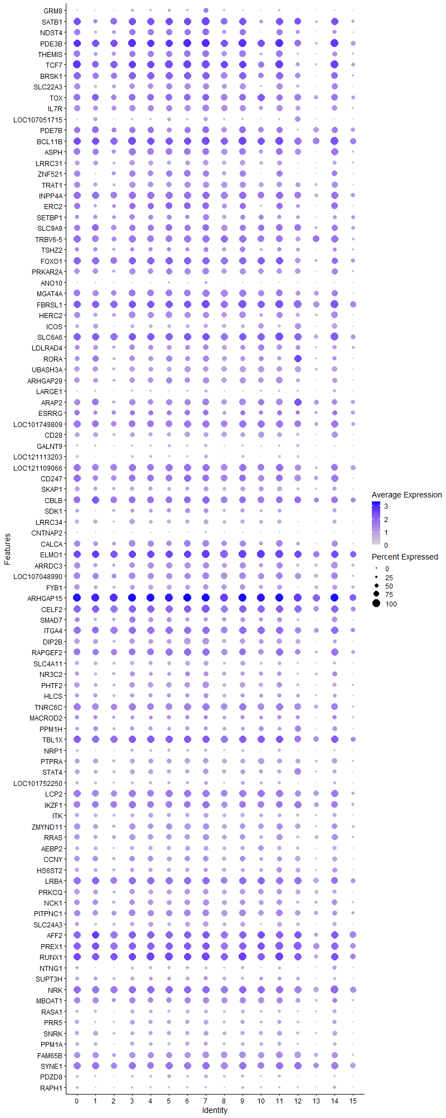
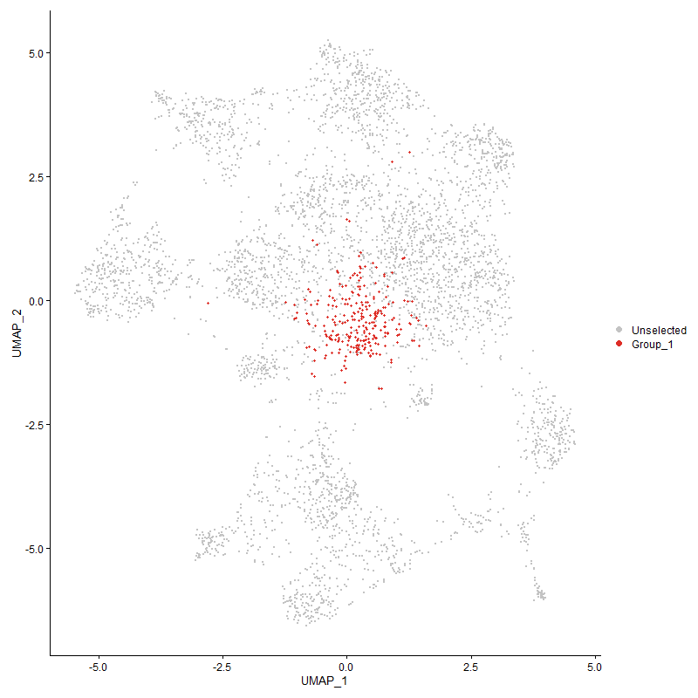
...

Cluster8
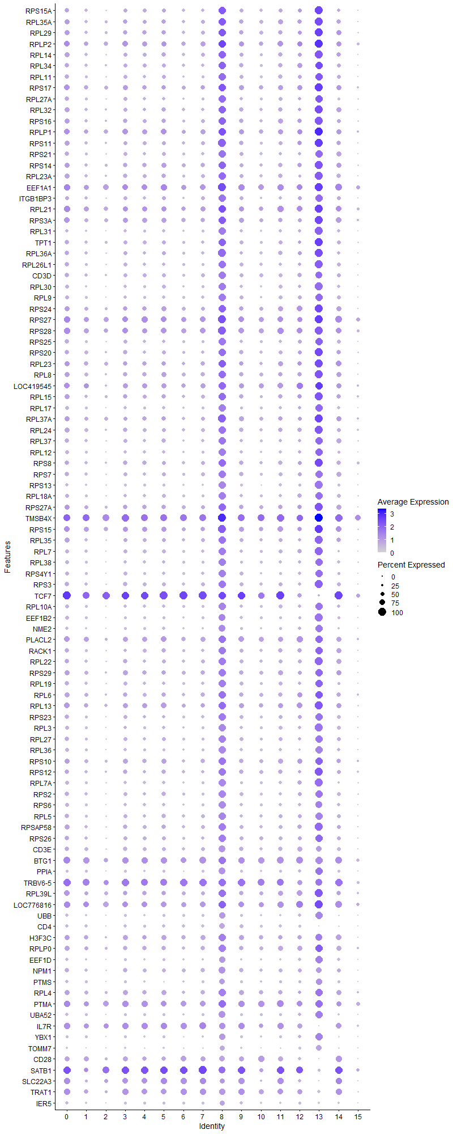
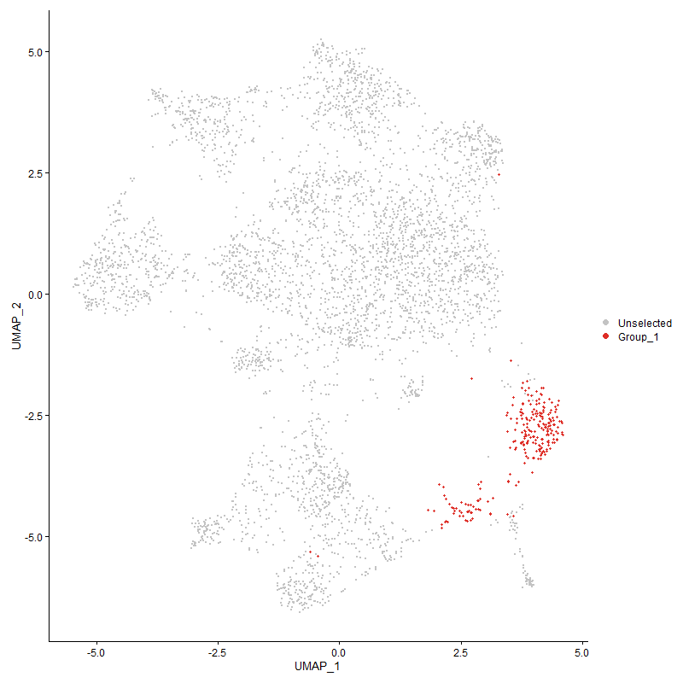
pct.2 | p_val_adj | cluster | gene | Activated cells?
0.519 | 1.378165199E-133 | 8 | RPS15A
0.557 | 3.9869435489E-138 | 8 | RPL35A
0.565 | 3.0026642214E-125 | 8 | RPL29
0.706 | 2.4089479149E-128 | 8 | RPLP2
0.505 | 3.383627578E-139 | 8 | RPL14
0.527 | 1.4658814267E-134 | 8 | RPL34
0.45 | 1.3478763051E-135 | 8 | RPL11
0.646 | 4.9407929711E-129 | 8 | RPS17
0.443 | 4.6539477076E-134 | 8 | RPL27A
0.535 | 2.6530097447E-124 | 8 | RPL32
0.525 | 4.2440175528E-128 | 8 | RPS16
0.682 | 2.4064650798E-117 | 8 | RPLP1
0.555 | 4.8287527532E-129 | 8 | RPS11
0.441 | 7.1292415017E-130 | 8 | RPS21
0.581 | 3.7057009258E-121 | 8 | RPS14
0.5 | 5.4430430117E-129 | 8 | RPL23A
0.759 | 4.0530740179E-121 | 8 | EEF1A1
0.445 | 1.0765591667E-119 | 8 | ITGB1BP3
0.713 | 1.5988220227E-112 | 8 | RPL21
0.639 | 4.461523941E-114 | 8 | RPS3A
0.375 | 4.614600757E-147 | 8 | RPL31
0.563 | 4.4524316044E-111 | 8 | TPT1
0.509 | 7.4594207398E-121 | 8 | RPL36A
0.482 | 1.4083251082E-123 | 8 | RPL26L1
0.339 | 4.4510952113E-136 | 8 | CD3D
0.387 | 1.5247402188E-124 | 8 | RPL30
0.398 | 1.791326291E-124 | 8 | RPL9
0.6 | 8.6384496289E-109 | 8 | RPS24
0.745 | 2.9037944392E-120 | 8 | RPS27
0.692 | 1.0503418612E-117 | 8 | RPS28
0.444 | 3.8578673375E-118 | 8 | RPS25
0.523 | 5.5395364462E-117 | 8 | RPS20
0.645 | 8.0006238275E-110 | 8 | RPL23
0.568 | 3.9375375693E-112 | 8 | RPL8
0.514 | 1.3385022652E-96 | 8 | LOC419545 | uncharacterized
0.585 | 2.5420000406E-108 | 8 | RPL15
0.405 | 2.1017746241E-120 | 8 | RPL17
0.64 | 2.2258278062E-111 | 8 | RPL37A
0.538 | 4.1745074196E-108 | 8 | RPL24
0.482 | 1.3582444118E-116 | 8 | RPL37
0.418 | 5.9975263233E-115 | 8 | RPL12
0.574 | 1.3672378185E-105 | 8 | RPS8
0.48 | 3.9738906873E-118 | 8 | RPS7
0.335 | 1.042465193E-127 | 8 | RPS13
0.437 | 2.8750071914E-113 | 8 | RPL18A
0.612 | 2.1344951433E-102 | 8 | RPS27A
0.898 | 1.6613487005E-96 | 8 | TMSB4X | Thymosin beta-4 | cell proliferation
0.703 | 7.3885775062E-110 | 8 | RPS15
0.519 | 8.5613357058E-101 | 8 | RPL35
0.473 | 1.4142453151E-99 | 8 | RPL7
0.439 | 3.708537845E-113 | 8 | RPL38
0.429 | 3.4488441713E-100 | 8 | RPS4Y1
0.534 | 8.9052247255E-102 | 8 | RPS3
0.524 | 5.5656523279E-71 | 8 | TCF7 | Transcription factor
0.413 | 7.5478894947E-109 | 8 | RPL10A
0.397 | 2.2808765028E-94 | 8 | EEF1B2
0.345 | 9.9167919514E-113 | 8 | NME2
0.515 | 5.1741601469E-87 | 8 | PLACL2
0.511 | 4.6888275006E-98 | 8 | RACK1
0.514 | 6.2944309745E-97 | 8 | RPL22
0.517 | 1.0554277542E-92 | 8 | RPS29
0.492 | 3.2585232625E-92 | 8 | RPL19
0.586 | 1.3514397786E-85 | 8 | RPL6
0.658 | 8.2559937713E-89 | 8 | RPL13
0.497 | 6.9398895595E-93 | 8 | RPS23
0.403 | 5.1162626666E-100 | 8 | RPL3
0.459 | 4.0968883463E-91 | 8 | RPL27
0.395 | 1.0363991027E-105 | 8 | RPL36
0.604 | 2.6304171278E-88 | 8 | RPS10
0.567 | 2.1164744725E-81 | 8 | RPS12
0.444 | 1.5451141049E-90 | 8 | RPL7A
0.473 | 6.8697188798E-85 | 8 | RPS2
0.421 | 5.1090589865E-89 | 8 | RPS6
0.465 | 7.0584337853E-88 | 8 | RPL5
0.539 | 1.6338896978E-82 | 8 | RPSAP58
0.526 | 1.6979312175E-69 | 8 | RPS26
0.301 | 4.9863298642E-104 | 8 | CD3E
0.688 | 8.9894730289E-64 | 8 | BTG1
0.349 | 1.3758802879E-79 | 8 | PPIA
0.595 | 4.2084296788E-54 | 8 | TRBV6-5
0.678 | 5.8336042513E-62 | 8 | RPL39L
0.782 | 4.5956824972E-57 | 8 | LOC776816 | ACTG1L actin gamma 1 like [ Gallus gallus (chicken) ]
0.32 | 5.6740881489E-77 | 8 | UBB
0.108 | 1.1201792893E-215 | 8 | CD4
0.612 | 4.5669206345E-62 | 8 | H3F3C
0.598 | 2.5153489345E-58 | 8 | RPLP0
0.372 | 3.4318788596E-58 | 8 | EEF1D
0.434 | 3.1301977856E-54 | 8 | NPM1
0.286 | 1.0060075675E-52 | 8 | PTMS
0.612 | 1.1084947094E-49 | 8 | RPL4
0.787 | 3.0011409947E-44 | 8 | PTMA
0.451 | 2.9580212587E-50 | 8 | UBA52
0.344 | 2.3763207337E-45 | 8 | IL7R
0.375 | 5.5669568178E-49 | 8 | YBX1
0.205 | 4.1723732253E-62 | 8 | TOMM7
0.201 | 1.659906964E-77 | 8 | CD28
0.444 | 2.0420532999E-37 | 8 | SATB1
0.263 | 9.5249787426E-41 | 8 | SLC22A3
0.294 | 3.6753723515E-60 | 8 | TRAT1
0.312 | 1.8123821676E-39 | 8 | IER5
0.266 | 8.1007457631E-57 | 8 | IL2RG
0.696 | 3.512555305E-38 | 8 | LOC101747587
0.252 | 1.3594710647E-46 | 8 | SH3BGRL3
0.38 | 5.9004672397E-45 | 8 | SERBP1
0.684 | 7.003198149E-25 | 8 | ACTB
0.145 | 2.9131998923E-75 | 8 | COX7B
0.44 | 5.1538883678E-37 | 8 | ZFP36L2
0.185 | 7.2670637581E-42 | 8 | LOC100859737
0.187 | 8.043653133E-58 | 8 | NSA2
...

Cluster9
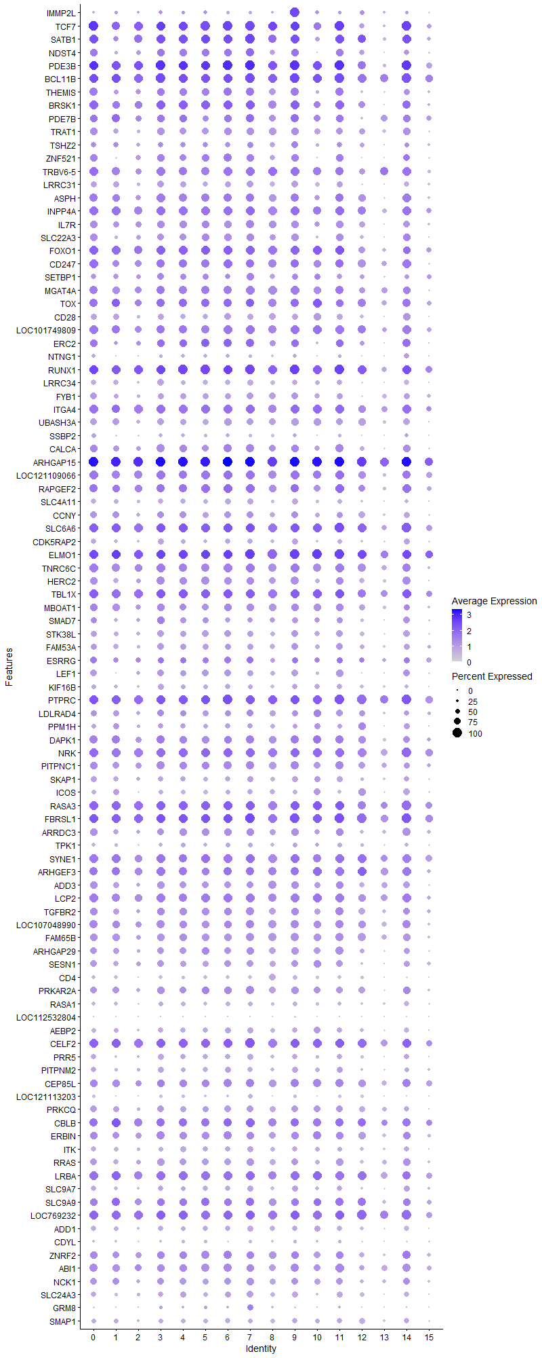
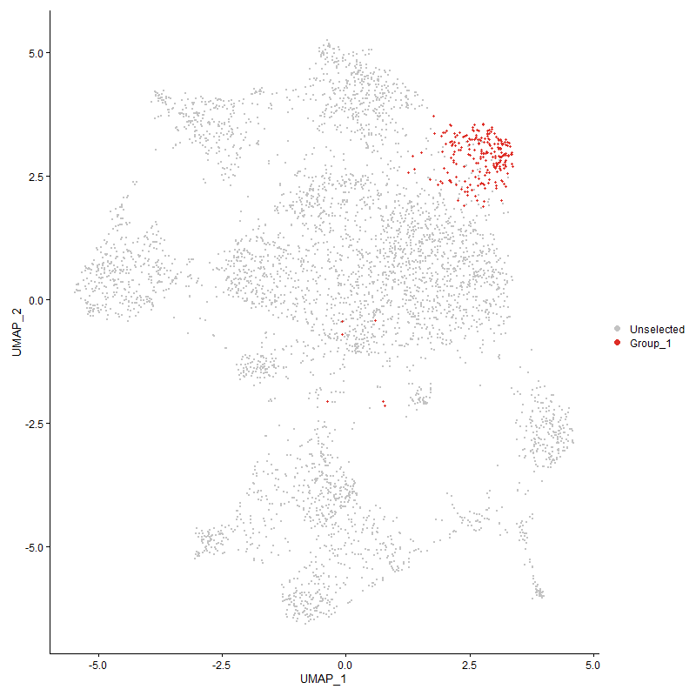
pct.2 | p_val_adj | cluster | gene
0.272 | 4.4511291983E-201 | 9 | IMMP2L | Inner mitochondrial membrane peptidase subunit 2
0.524 | 1.5099531898E-87 | 9 | TCF7
0.443 | 1.2589873864E-84 | 9 | SATB1
0.285 | 7.8626283468E-73 | 9 | NDST4
0.799 | 7.4916763361E-60 | 9 | PDE3B
0.623 | 4.09736564E-59 | 9 | BCL11B
0.305 | 4.3057223017E-74 | 9 | THEMIS
0.562 | 1.3348792901E-47 | 9 | BRSK1
0.443 | 1.1288054421E-38 | 9 | PDE7B
0.294 | 2.4395763638E-71 | 9 | TRAT1
0.293 | 6.6359797049E-36 | 9 | TSHZ2
0.352 | 7.31307252E-43 | 9 | ZNF521
0.597 | 3.2226321107E-38 | 9 | TRBV6-5
0.191 | 1.2844080111E-77 | 9 | LRRC31
0.505 | 5.6808401126E-37 | 9 | ASPH
0.72 | 4.8226414485E-40 | 9 | INPP4A
0.344 | 1.7830913585E-45 | 9 | IL7R
0.262 | 1.3651289821E-59 | 9 | SLC22A3
0.681 | 7.4827603547E-26 | 9 | FOXO1
0.556 | 1.8979550889E-26 | 9 | CD247
0.361 | 1.2959097071E-15 | 9 | SETBP1
0.574 | 8.0722273814E-35 | 9 | MGAT4A
0.519 | 5.8988557562E-26 | 9 | TOX
0.202 | 8.4298738891E-65 | 9 | CD28
0.553 | 2.1734893371E-27 | 9 | LOC101749809
0.383 | 1.8282517942E-26 | 9 | ERC2
0.122 | 1.0380126479E-36 | 9 | NTNG1
0.921 | 1.6741384612E-29 | 9 | RUNX1
0.179 | 9.2554450303E-52 | 9 | LRRC34
0.35 | 5.5995405638E-26 | 9 | FYB1
0.791 | 1.2268373426E-30 | 9 | ITGA4
0.321 | 1.8905214566E-44 | 9 | UBASH3A
0.16 | 4.3957416668E-21 | 9 | SSBP2
0.534 | 1.1647963724E-17 | 9 | CALCA
0.983 | 2.9309094362E-33 | 9 | ARHGAP15
0.69 | 1.7592026677E-21 | 9 | LOC121109066
0.644 | 2.2807122007E-25 | 9 | RAPGEF2
0.254 | 7.8945757524E-38 | 9 | SLC4A11
0.482 | 2.6006521187E-13 | 9 | CCNY
0.884 | 1.7042933175E-18 | 9 | SLC6A6
0.311 | 4.9451744272E-25 | 9 | CDK5RAP2
0.916 | 5.0700668397E-26 | 9 | ELMO1
0.756 | 6.780740189E-25 | 9 | TNRC6C
0.501 | 1.1252772321E-26 | 9 | HERC2
0.814 | 2.0290319713E-19 | 9 | TBL1X
0.532 | 1.0904081631E-20 | 9 | MBOAT1
0.298 | 5.311098729E-23 | 9 | SMAD7
0.434 | 7.4610306885E-19 | 9 | STK38L
0.43 | 5.2633679237E-16 | 9 | FAM53A
0.511 | 2.317726894E-06 | 9 | ESRRG
0.333 | 6.9991910473E-27 | 9 | LEF1
0.304 | 2.0241562325E-18 | 9 | KIF16B
0.948 | 1.1029382469E-20 | 9 | PTPRC
0.432 | 5.0553924533E-13 | 9 | LDLRAD4
0.264 | 1.6306901019E-15 | 9 | PPM1H
0.696 | 1.1863092518E-16 | 9 | DAPK1
0.85 | 4.0814981269E-20 | 9 | NRK
0.633 | 2.0926274646E-15 | 9 | PITPNC1
0.281 | 2.9622394696E-26 | 9 | SKAP1
0.154 | 7.8396192245E-37 | 9 | ICOS
0.875 | 3.7022278439E-17 | 9 | RASA3
0.95 | 1.2944252403E-21 | 9 | FBRSL1
0.512 | 1.4284929327E-17 | 9 | ARRDC3
0.275 | 2.8830447633E-08 | 9 | TPK1
0.766 | 1.3943540776E-18 | 9 | SYNE1
0.648 | 9.4043344438E-17 | 9 | ARHGEF3
0.562 | 4.2689610453E-13 | 9 | ADD3
0.659 | 1.0485153997E-18 | 9 | LCP2
0.571 | 4.4012287371E-14 | 9 | TGFBR2
0.611 | 5.6800271007E-16 | 9 | LOC107048990
0.582 | 5.5835795794E-18 | 9 | FAM65B
0.421 | 5.1377247121E-22 | 9 | ARHGAP29
0.447 | 7.5442889495E-16 | 9 | SESN1
0.113 | 8.9471888988E-55 | 9 | CD4
0.479 | 3.6665216763E-14 | 9 | PRKAR2A
0.211 | 2.3040256021E-21 | 9 | RASA1
0.051 | 5.3327267108E-09 | 9 | LOC112532804
0.304 | 1.5293941252E-12 | 9 | AEBP2
0.919 | 1.9647314796E-12 | 9 | CELF2
0.281 | 2.5654909164E-19 | 9 | PRR5
0.293 | 1.9964869352E-24 | 9 | PITPNM2
0.686 | 2.4876281585E-11 | 9 | CEP85L
0.097 | 5.2740709293E-38 | 9 | LOC121113203
0.405 | 2.4681012836E-16 | 9 | PRKCQ
0.673 | 1.9017771139E-14 | 9 | CBLB
0.625 | 4.4285522801E-14 | 9 | ERBIN
0.279 | 1.3320418126E-22 | 9 | ITK
0.499 | 1.8250246351E-12 | 9 | RRAS
0.792 | 8.1561999174E-11 | 9 | LRBA
0.351 | 2.0108128509E-15 | 9 | SLC9A7
0.633 | 5.6655089193E-05 | 9 | SLC9A9
0.764 | 3.999276036E-12 | 9 | LOC769232
0.363 | 5.2349507832E-12 | 9 | ADD1
0.177 | 6.9297047529E-09 | 9 | CDYL
0.668 | 6.4718804463E-06 | 9 | ZNRF2
0.681 | 5.6285481876E-12 | 9 | ABI1
0.489 | 3.6802421672E-07 | 9 | NCK1
0.356 | 4.6127560117E-17 | 9 | SLC24A3
0.087 | 2.9691293963E-07 | 9 | GRM8
0.355 | 6.4756780146E-11 | 9 | SMAP1
0.57 | 4.4611339349E-09 | 9 | PRKCE
0.556 | 1.2222306085E-15 | 9 | ARAP2
0.11 | 7.276502204E-13 | 9 | GALNT9
0.853 | 1.3079379516E-13 | 9 | ANKRD44
0.15 | 3.2344482635E-09 | 9 | RAPH1
0.393 | 0.0001007581288 | 9 | TMEM135
0.738 | 3.7794957622E-07 | 9 | IKZF1
0.781 | 1.2767880328E-09 | 9 | FNBP1
0.88 | 1.2577195754E-09 | 9 | DOCK2
...

Cluster10
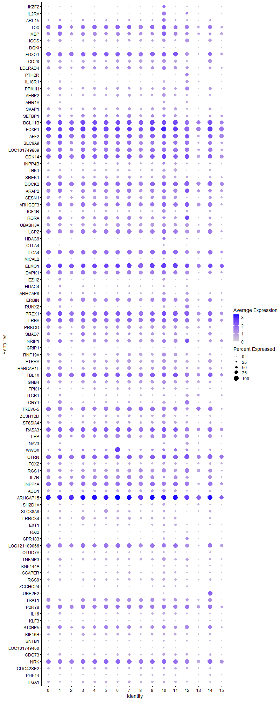
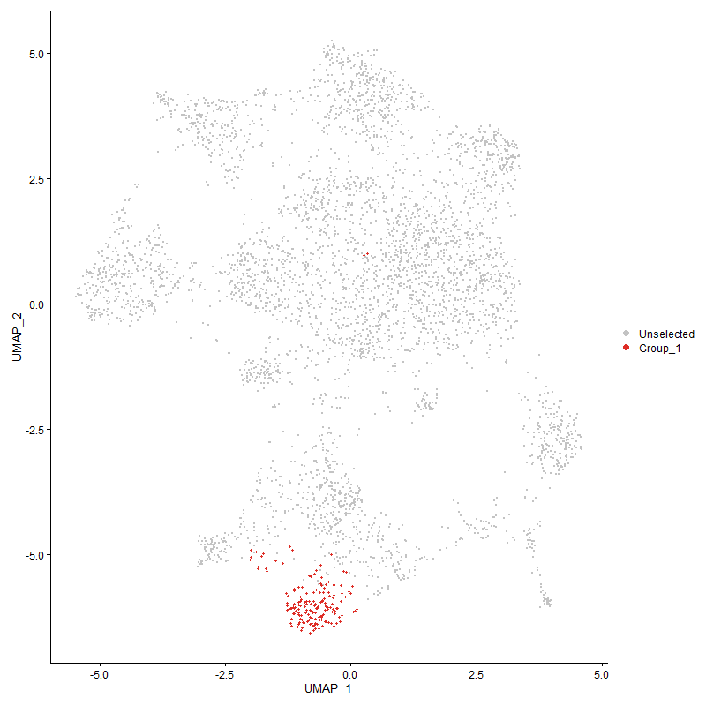
pct.1 | pct.2 | p_val_adj | cluster | gene | Treg but no CD4?
0.625 | 0.072 | 2.0678644357E-167 | 10 | IKZF2 | IKAROS Family Zinc Finger 2 | Tregs 10.3390/ijms22137144
0.827 | 0.078 | 3.0791847264E-281 | 10 | IL2RA
0.762 | 0.289 | 1.0761686401E-47 | 10 | ARL15 | ADP-ribosylation factor-like 15
0.935 | 0.519 | 1.1444936357E-39 | 10 | TOX
0.917 | 0.668 | 1.3803613487E-35 | 10 | MBP
0.762 | 0.152 | 4.3571778739E-107 | 10 | ICOS
0.292 | 0.026 | 1.6709157586E-92 | 10 | DGKI
0.935 | 0.682 | 2.4472743126E-28 | 10 | FOXO1
0.786 | 0.202 | 2.7279902543E-78 | 10 | CD28
0.768 | 0.432 | 2.1478555035E-23 | 10 | LDLRAD4
0.214 | 0.007 | 6.3479531819E-173 | 10 | PTH2R
0.518 | 0.081 | 4.7994689458E-90 | 10 | IL18R1
0.661 | 0.264 | 5.2420614023E-31 | 10 | PPM1H
0.75 | 0.303 | 4.7752735817E-37 | 10 | AEBP2
0.554 | 0.217 | 2.4076060423E-26 | 10 | AHR1A
0.685 | 0.281 | 4.9222502564E-29 | 10 | SKAP1
0.661 | 0.361 | 3.4940003544E-16 | 10 | SETBP1
0.958 | 0.625 | 9.5635500333E-23 | 10 | BCL11B
1 | 0.976 | 1.282256872E-21 | 10 | FOXP1 | Forkhead box protein P1 | T-cell quiescence, differentiation and exhaustion 10.3389/fimmu.2022.971045
0.929 | 0.864 | 3.1671964738E-16 | 10 | AFF2
0.827 | 0.633 | 6.2376844293E-10 | 10 | SLC9A9
0.929 | 0.554 | 2.3923802867E-22 | 10 | LOC101749809 | connector enhancer of kinase suppressor of ras 2-like [ Gallus gallus (chicken) ]
0.988 | 0.774 | 4.2966177775E-24 | 10 | CDK14
0.607 | 0.371 | 7.8162900133E-08 | 10 | INPP4B
0.625 | 0.283 | 5.5532815305E-26 | 10 | TBK1
0.72 | 0.385 | 7.726747336E-20 | 10 | SREK1
0.982 | 0.88 | 4.2539773863E-23 | 10 | DOCK2
0.833 | 0.558 | 3.7268554385E-19 | 10 | ARAP2
0.756 | 0.448 | 1.7599615843E-19 | 10 | SESN1
0.94 | 0.648 | 4.8363017435E-20 | 10 | ARHGEF3
0.69 | 0.353 | 9.7473644997E-18 | 10 | IGF1R
0.655 | 0.366 | 8.8806476584E-11 | 10 | RORA
0.78 | 0.322 | 5.4672467819E-34 | 10 | UBASH3A
0.923 | 0.66 | 2.9703416172E-21 | 10 | LCP2
0.631 | 0.389 | 4.8920294877E-09 | 10 | HDAC9
0.417 | 0.021 | 2.2385433698E-231 | 10 | CTLA4
0.946 | 0.792 | 4.1674386288E-17 | 10 | ITGA4
0.417 | 0.102 | 2.245810606E-38 | 10 | MICAL2
1 | 0.916 | 4.3513435358E-26 | 10 | ELMO1
0.881 | 0.697 | 1.6179968631E-12 | 10 | DAPK1
0.536 | 0.228 | 9.1929079243E-20 | 10 | EZH2
0.399 | 0.212 | 1.3134809586E-07 | 10 | HDAC4
0.655 | 0.309 | 5.9828290372E-20 | 10 | ARHGAP6
0.881 | 0.625 | 6.1766891168E-17 | 10 | ERBIN
0.5 | 0.204 | 1.7909684191E-19 | 10 | RUNX2
0.976 | 0.887 | 5.2649794049E-18 | 10 | PREX1
0.964 | 0.792 | 1.3945541713E-15 | 10 | LRBA
0.714 | 0.406 | 2.8813413084E-15 | 10 | PRKCQ
0.542 | 0.3 | 6.8351485101E-08 | 10 | SMAD7
0.81 | 0.51 | 6.1262230756E-16 | 10 | NRIP1
0.149 | 0.009 | 1.1766812167E-64 | 10 | GRIP1
0.78 | 0.515 | 5.2574642396E-16 | 10 | RNF19A
0.804 | 0.379 | 6.8639789111E-28 | 10 | PTPRA
0.78 | 0.517 | 2.8145793649E-14 | 10 | RABGAP1L
0.982 | 0.814 | 9.7270331648E-15 | 10 | TBL1X
0.827 | 0.501 | 1.0880794024E-16 | 10 | GNB4
0.405 | 0.276 | 0.14091942741 | 10 | TPK1
0.339 | 0.337 | 1 | 10 | ITGB1
0.643 | 0.267 | 1.4837397387E-23 | 10 | CRY1
0.881 | 0.598 | 1.4171611089E-13 | 10 | TRBV6-5
0.738 | 0.405 | 1.1073142697E-16 | 10 | ZC3H12D
0.69 | 0.391 | 1.5072547111E-14 | 10 | ST8SIA4
0.982 | 0.875 | 1.8392000661E-10 | 10 | RASA3
0.863 | 0.512 | 6.4515382301E-20 | 10 | LPP
0.357 | 0.215 | 0.029272559416 | 10 | NAV3
0.542 | 0.371 | 0.0040520469417 | 10 | WWOX
0.97 | 0.919 | 8.8463144884E-14 | 10 | UTRN
0.548 | 0.286 | 7.3974220161E-12 | 10 | TOX2
0.857 | 0.599 | 2.0266763678E-11 | 10 | RGS1
0.577 | 0.348 | 1.9058770336E-06 | 10 | IL7R
0.911 | 0.722 | 1.0674380698E-13 | 10 | INPP4A
0.679 | 0.363 | 1.0205766725E-15 | 10 | ADD1
1 | 0.983 | 4.4152646637E-17 | 10 | ARHGAP15
0.565 | 0.182 | 2.0541017954E-31 | 10 | SH2D1A
0.548 | 0.295 | 1.2854200656E-10 | 10 | SLC38A6
0.464 | 0.182 | 2.1535207479E-17 | 10 | LRRC34
0.464 | 0.265 | 4.9755059363E-07 | 10 | EXT1
0.381 | 0.059 | 7.1189051693E-62 | 10 | RAI2
0.452 | 0.171 | 2.4532685725E-18 | 10 | GPR183
0.893 | 0.691 | 4.3069186569E-10 | 10 | LOC121109066
0.387 | 0.18 | 2.9454448532E-09 | 10 | OTUD7A
0.726 | 0.438 | 2.5965401321E-12 | 10 | TNFAIP3
0.351 | 0.114 | 2.9368532151E-17 | 10 | RNF144A
0.494 | 0.294 | 3.0596238379E-06 | 10 | SCAPER
0.583 | 0.299 | 1.6404750062E-14 | 10 | RGS9
0.345 | 0.136 | 8.3802120371E-11 | 10 | ZCCHC24
0.274 | 0.121 | 2.4245871998E-05 | 10 | UBE2E2
0.667 | 0.298 | 8.7958431557E-18 | 10 | TRAT1
0.911 | 0.717 | 1.8006716145E-06 | 10 | P2RY8
0.595 | 0.252 | 4.1832896895E-20 | 10 | IL16
0.369 | 0.119 | 4.2247312609E-20 | 10 | KLF3
0.72 | 0.582 | 0.0059804046679 | 10 | STXBP5
0.536 | 0.306 | 3.4098242418E-07 | 10 | KIF16B
0.363 | 0.106 | 1.4045445711E-22 | 10 | SNTB1
0.286 | 0.037 | 5.7149357228E-57 | 10 | LOC101749460
0.601 | 0.396 | 4.6522760817E-06 | 10 | CDC73
0.923 | 0.851 | 3.2825093404E-07 | 10 | NRK
0.524 | 0.384 | 0.01996232384 | 10 | CDC42SE2
0.393 | 0.211 | 1.8814646607E-05 | 10 | PHF14
0.488 | 0.269 | 3.3816463234E-07 | 10 | ITGA1
0.345 | 0.092 | 1.6768020824E-25 | 10 | PTPRB
0.655 | 0.499 | 0.013832019083 | 10 | FOXK2
0.387 | 0.184 | 1.9375561766E-08 | 10 | SLC5A1
0.875 | 0.798 | 0.0054432700325 | 10 | SH3KBP1
0.214 | 0.112 | 0.17957560184 | 10 | GALNT9
0.476 | 0.329 | 0.10706853862 | 10 | SUPT3H
0.708 | 0.466 | 9.125909796E-08 | 10 | ABCC1
0.375 | 0.206 | 9.5587278294E-05 | 10 | IRF4
0.524 | 0.181 | 1.185532089E-22 | 10 | CD226
0.607 | 0.367 | 1.6620055317E-07 | 10 | DUSP1
...

Cluster11
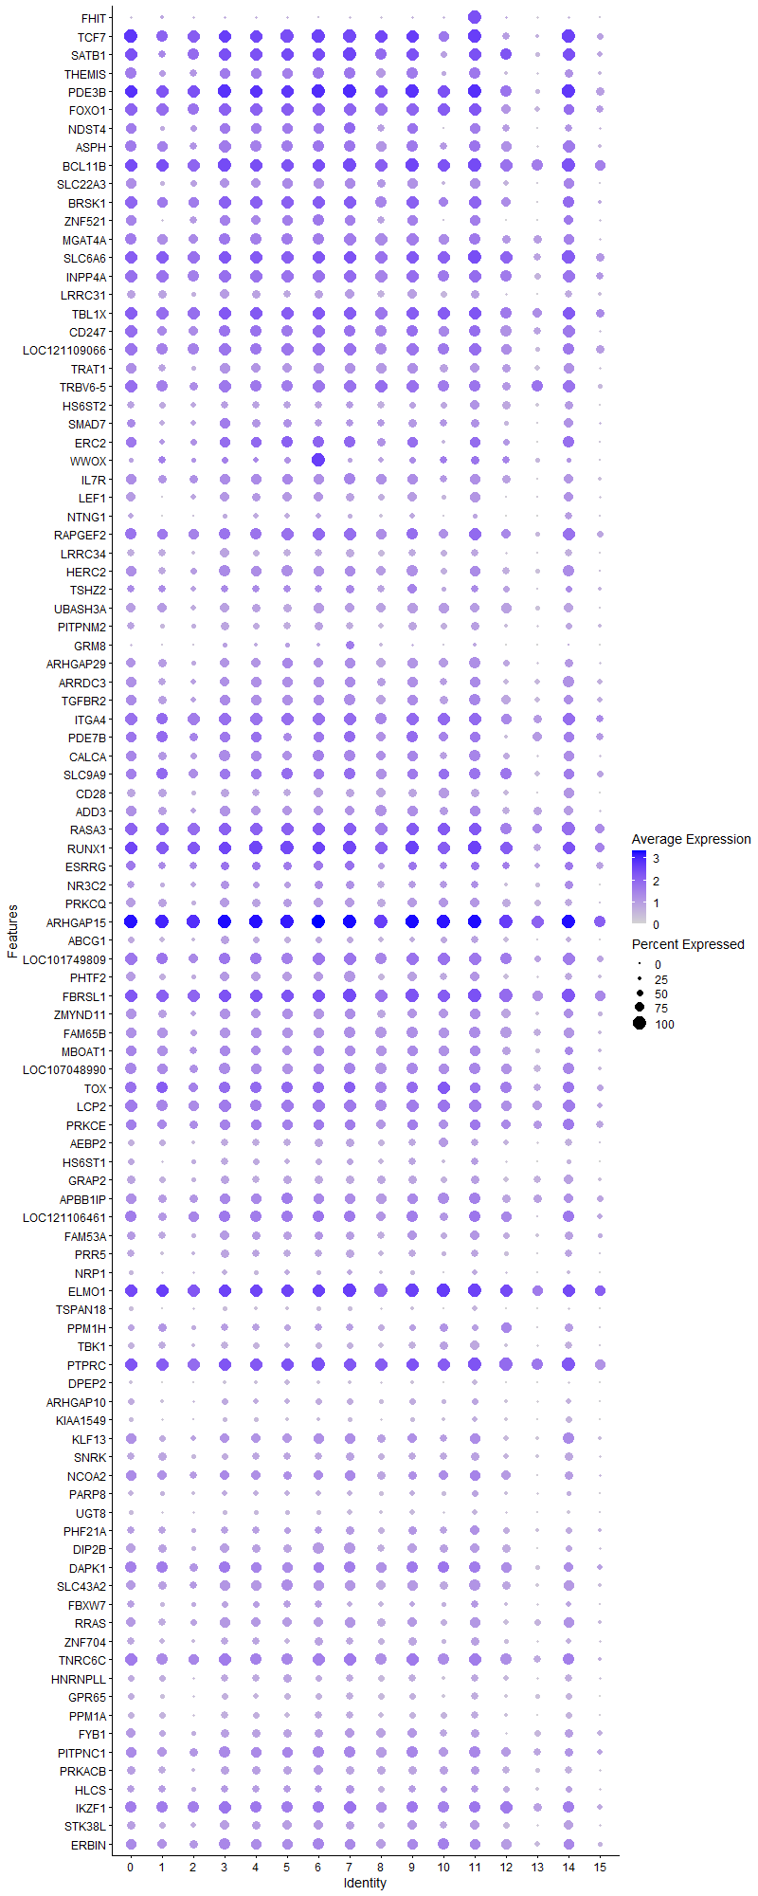
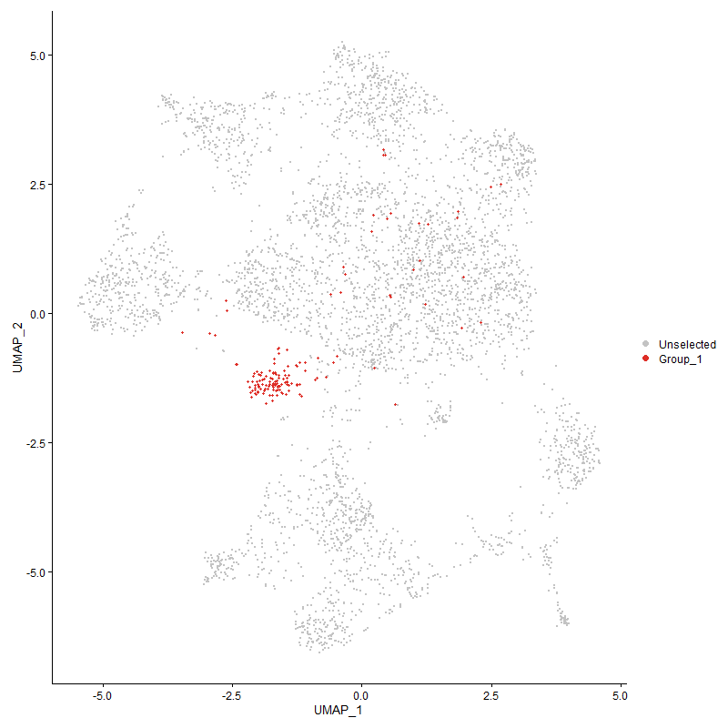
pct.2 | p_val_adj | cluster | gene
0.229 | 1.8493507452E-146 | 11 | FHIT | fragile histidine triad protein
0.526 | 6.0856445342E-54 | 11 | TCF7
0.446 | 6.0884795777E-50 | 11 | SATB1 | special AT-rich sequence-binding protein-1 | transcription regulation 10.1080/19491034.2020.1775037
0.308 | 1.0826127224E-54 | 11 | THEMIS
0.8 | 1.3582488355E-41 | 11 | PDE3B
0.682 | 9.4729487497E-34 | 11 | FOXO1
0.287 | 2.6276868606E-43 | 11 | NDST4
0.507 | 5.0228182474E-27 | 11 | ASPH
0.625 | 5.4269604E-31 | 11 | BCL11B
0.264 | 1.3978476682E-48 | 11 | SLC22A3
0.563 | 1.4562411757E-29 | 11 | BRSK1
0.355 | 1.8942222567E-22 | 11 | ZNF521
0.576 | 7.5983667171E-22 | 11 | MGAT4A
0.884 | 3.3152421461E-18 | 11 | SLC6A6
0.721 | 1.1180714832E-26 | 11 | INPP4A
0.193 | 2.1727731847E-43 | 11 | LRRC31
0.815 | 1.9699854488E-17 | 11 | TBL1X
0.557 | 2.2192635551E-18 | 11 | CD247
0.691 | 7.4384399527E-19 | 11 | LOC121109066 | uncharacterized
0.297 | 5.0613385491E-30 | 11 | TRAT1 | T Cell Receptor Associated Transmembrane Adaptor 1
0.599 | 9.9710583685E-17 | 11 | TRBV6-5
0.336 | 3.2839290112E-18 | 11 | HS6ST2
0.299 | 3.3456009505E-20 | 11 | SMAD7
0.385 | 4.5117954414E-22 | 11 | ERC2
0.371 | 3.2523979851E-07 | 11 | WWOX
0.346 | 6.1061183032E-24 | 11 | IL7R
0.334 | 2.6250391565E-30 | 11 | LEF1
0.124 | 1.1165468126E-15 | 11 | NTNG1
0.645 | 5.0277525635E-20 | 11 | RAPGEF2
0.181 | 7.1074168853E-37 | 11 | LRRC34
0.503 | 1.1778480708E-13 | 11 | HERC2
0.295 | 2.5867061828E-12 | 11 | TSHZ2
0.324 | 4.1189872683E-23 | 11 | UBASH3A
0.295 | 4.8664288971E-19 | 11 | PITPNM2
0.088 | 5.6478043614E-07 | 11 | GRM8
0.422 | 2.7402350562E-20 | 11 | ARHGAP29
0.514 | 4.2380482812E-12 | 11 | ARRDC3
0.571 | 3.2288950441E-16 | 11 | TGFBR2
0.792 | 2.0542450409E-21 | 11 | ITGA4
0.446 | 2.3590093037E-13 | 11 | PDE7B
0.535 | 1.6628240377E-13 | 11 | CALCA
0.633 | 3.9421505192E-12 | 11 | SLC9A9
0.204 | 8.532059519E-32 | 11 | CD28
0.562 | 1.9080663549E-10 | 11 | ADD3
0.875 | 4.8325010032E-16 | 11 | RASA3
0.922 | 7.569832317E-18 | 11 | RUNX1
0.512 | 0.0046811281733 | 11 | ESRRG
0.364 | 1.4050619285E-06 | 11 | NR3C2
0.406 | 1.9102553029E-15 | 11 | PRKCQ
0.983 | 4.6961324375E-20 | 11 | ARHGAP15
0.285 | 2.6864535236E-12 | 11 | ABCG1
0.554 | 1.2714802849E-12 | 11 | LOC101749809
0.459 | 3.2386656095E-10 | 11 | PHTF2
0.95 | 7.5760036295E-16 | 11 | FBRSL1
0.548 | 1.0049151072E-09 | 11 | ZMYND11
0.583 | 3.9782538467E-13 | 11 | FAM65B
0.534 | 1.7161342954E-08 | 11 | MBOAT1
0.613 | 2.5718540185E-11 | 11 | LOC107048990
0.521 | 2.1556189367E-10 | 11 | TOX
0.661 | 7.2770968175E-14 | 11 | LCP2
0.571 | 3.6785824452E-07 | 11 | PRKCE
0.305 | 7.9141800692E-11 | 11 | AEBP2
0.318 | 2.1059129624E-11 | 11 | HS6ST1
0.353 | 1.6601412981E-12 | 11 | GRAP2
0.655 | 3.1455948525E-11 | 11 | APBB1IP
0.62 | 1.2463094354E-10 | 11 | LOC121106461
0.432 | 1.3458218866E-08 | 11 | FAM53A
0.282 | 2.9632902772E-12 | 11 | PRR5
0.147 | 8.6854662197E-19 | 11 | NRP1
0.916 | 3.1675123544E-13 | 11 | ELMO1
0.1 | 3.8180835206E-30 | 11 | TSPAN18
0.266 | 7.683271537E-08 | 11 | PPM1H
0.282 | 1.8138122446E-23 | 11 | TBK1
0.948 | 5.100339249E-14 | 11 | PTPRC
0.083 | 4.2762216183E-43 | 11 | DPEP2
0.231 | 9.5077461679E-10 | 11 | ARHGAP10
0.169 | 1.1128002768E-14 | 11 | KIAA1549
0.585 | 5.1919769923E-12 | 11 | KLF13
0.346 | 1.4971346191E-09 | 11 | SNRK
0.628 | 0.00025387348393 | 11 | NCOA2
0.278 | 0.0015170113537 | 11 | PARP8
0.12 | 7.5450235511E-24 | 11 | UGT8
0.476 | 1.0162924832E-06 | 11 | PHF21A
0.447 | 2.4115990463E-10 | 11 | DIP2B
0.697 | 1.5933028083E-06 | 11 | DAPK1
0.538 | 4.8366361473E-12 | 11 | SLC43A2
0.362 | 1.6087494624E-06 | 11 | FBXW7
0.499 | 1.143793135E-13 | 11 | RRAS
0.343 | 3.7106896305E-09 | 11 | ZNF704
0.757 | 1.9177733088E-11 | 11 | TNRC6C
0.27 | 8.4316652061E-11 | 11 | HNRNPLL
0.262 | 7.4883561903E-12 | 11 | GPR65
0.276 | 4.4972322885E-12 | 11 | PPM1A
0.352 | 1.024217729E-09 | 11 | FYB1
0.634 | 5.6104669814E-08 | 11 | PITPNC1
0.478 | 6.5971307533E-05 | 11 | PRKACB
0.374 | 6.0466479728E-05 | 11 | HLCS
0.739 | 5.8531877259E-07 | 11 | IKZF1
0.435 | 4.4375455467E-08 | 11 | STK38L
0.626 | 6.5085122829E-06 | 11 | ERBIN
0.111 | 6.8829678163E-06 | 11 | GALNT9
0.92 | 3.1336586809E-08 | 11 | CELF2
0.323 | 1.9662446659E-08 | 11 | SLCO3A1
0.512 | 4.0219050245E-07 | 11 | PCMTD1
0.781 | 1.9771324763E-10 | 11 | FNBP1
0.282 | 1.8053341294E-13 | 11 | SKAP1
0.38 | 3.982804908E-11 | 11 | PTPRA
0.139 | 0.22606831188 | 11 | LARGE1
0.278 | 9.1528157908E-08 | 11 | PHACTR2
...

Cluster12
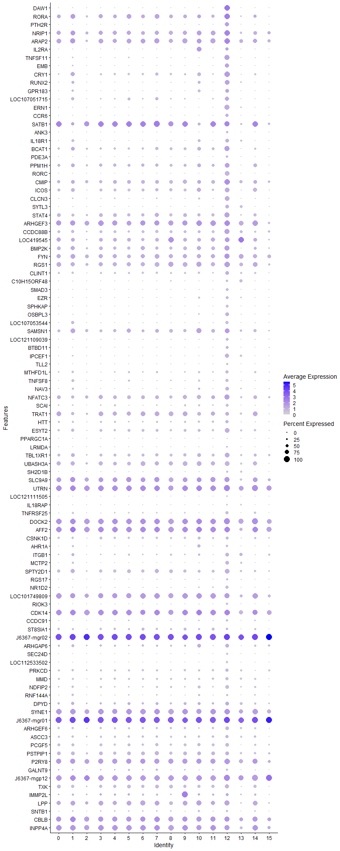
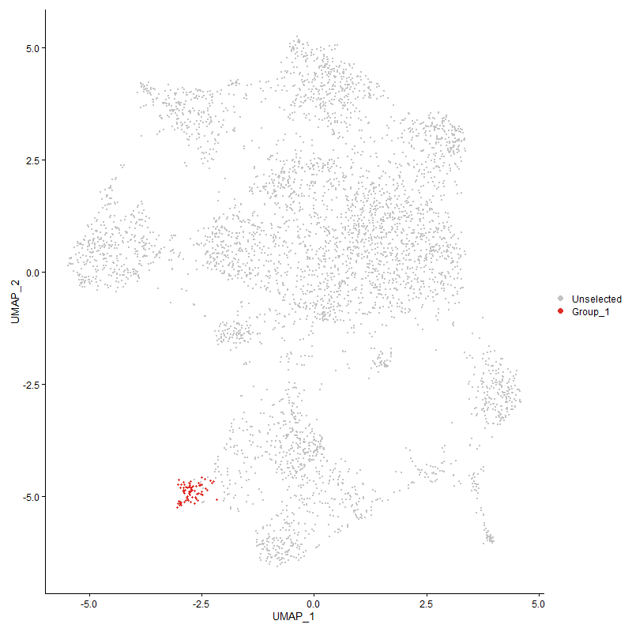
pct.2 | p_val_adj | cluster | gene
0.014 | 0 | 12 | DAW1 | Dynein Assembly Factor With WD Repeats 1
0.366 | 4.7735976434E-39 | 12 | RORA
0.006 | 0 | 12 | PTH2R
0.511 | 4.3080556456E-30 | 12 | NRIP1
0.558 | 2.146651198E-32 | 12 | ARAP2
0.083 | 1.1103604081E-56 | 12 | IL2RA
0.157 | 2.5488807677E-70 | 12 | TNFSF11 | TNF Superfamily Member 11
0.117 | 5.3865743605E-60 | 12 | EMB | Embigin
0.268 | 2.8268485681E-51 | 12 | CRY1
0.204 | 1.943035546E-45 | 12 | RUNX2
0.171 | 1.8458262689E-26 | 12 | GPR183 | G Protein-Coupled Receptor 183
0.094 | 1.0247292609E-74 | 12 | LOC107051715 | uncharacterized
0.091 | 5.6915012141E-119 | 12 | ERN1 | inositol-requiring enzyme 1 α
0.004 | 0 | 12 | CCR6 | C-C Motif Chemokine Receptor 6
0.448 | 4.1507261889E-15 | 12 | SATB1
0.006 | 7.4272785258E-173 | 12 | ANK3
0.082 | 5.4284011533E-73 | 12 | IL18R1
0.422 | 1.0355107576E-17 | 12 | BCAT1
0.004 | 0 | 12 | PDE3A
0.266 | 6.358964645E-27 | 12 | PPM1H
0.002 | 0 | 12 | RORC |  | 10.3389/fimmu.2022.919550
0.664 | 1.764187197E-20 | 12 | CMIP
0.156 | 1.6543871618E-45 | 12 | ICOS
0.201 | 5.2300323017E-34 | 12 | CLCN3
0.081 | 9.1507229053E-65 | 12 | SYTL3
0.39 | 1.1794382577E-21 | 12 | STAT4
0.65 | 6.4314648291E-11 | 12 | ARHGEF3
0.483 | 1.2402163192E-14 | 12 | CCDC88B
0.519 | 1.0929901377E-06 | 12 | LOC419545
0.572 | 7.8566164026E-08 | 12 | BMP2K
0.703 | 6.5163824184E-09 | 12 | FYN
0.6 | 1.2774981844E-09 | 12 | RGS1
0.294 | 1.5912325603E-13 | 12 | CLINT1
0.141 | 1.7344678051E-08 | 12 | C10H15ORF48
0.071 | 2.6416065267E-34 | 12 | SMAD3
0.192 | 7.7125059213E-06 | 12 | EZR
0.001 | 0 | 12 | SPHKAP
0.264 | 1.1093124003E-07 | 12 | OSBPL3
0.086 | 4.832616238E-39 | 12 | LOC107053544
0.615 | 0.013435643092 | 12 | SAMSN1
0.105 | 4.4875125328E-20 | 12 | LOC121109039
0.2 | 1.4104493987E-06 | 12 | BTBD11
0.27 | 4.9439860484E-15 | 12 | IPCEF1
0.026 | 7.9274748435E-58 | 12 | TLL2
0.176 | 5.1076263043E-14 | 12 | MTHFD1L
0.173 | 2.7275201212E-17 | 12 | TNFSF8
0.214 | 2.6298690854E-16 | 12 | NAV3
0.685 | 2.7201448831E-05 | 12 | NFATC3
0.14 | 3.7743413524E-15 | 12 | SCAI
0.3 | 2.7852799476E-07 | 12 | TRAT1
0.33 | 0.058927510179 | 12 | HTT
0.425 | 1.923609823E-09 | 12 | ESYT2
0.044 | 9.7627877807E-06 | 12 | PPARGC1A
0.157 | 1 | 12 | LRMDA
0.471 | 5.9970378086E-05 | 12 | TBL1XR1
0.325 | 2.8882802619E-11 | 12 | UBASH3A
0.076 | 5.0639418347E-17 | 12 | SH2D1B
0.634 | 0.00083803365361 | 12 | SLC9A9
0.92 | 4.6679509121E-07 | 12 | UTRN
0.004 | 7.1803659159E-175 | 12 | LOC121111505
0.031 | 1.1694389749E-27 | 12 | IL18RAP
0.174 | 6.5287738869E-13 | 12 | TNFRSF25
0.881 | 0.00031991048416 | 12 | DOCK2
0.864 | 0.0049944772173 | 12 | AFF2
0.345 | 0.96315895185 | 12 | CSNK1D
0.22 | 1 | 12 | AHR1A
0.336 | 0.009653541211 | 12 | ITGB1
0.221 | 4.6548469878E-13 | 12 | MCTP2
0.446 | 9.0806541612E-08 | 12 | SPTY2D1
0.091 | 1.1574578941E-11 | 12 | RGS17
0.235 | 2.5480177544E-08 | 12 | NR1D2
0.556 | 0.00073392165321 | 12 | LOC101749809
0.142 | 1.0694038281E-07 | 12 | RIOK3
0.776 | 0.0010935447691 | 12 | CDK14
0.145 | 0.00012151474525 | 12 | CCDC91
0.273 | 1 | 12 | ST8SIA1
1 | 9.1254786442E-08 | 12 | J6367-mgr02
0.311 | 3.5234238044E-05 | 12 | ARHGAP6
0.023 | 7.5617014556E-67 | 12 | SEC24D
0.042 | 1.0237997779E-41 | 12 | LOC112533502
0.347 | 1 | 12 | PRKCD
0.207 | 5.9758178142E-10 | 12 | MMD
0.285 | 8.563359259E-08 | 12 | NDFIP2
0.115 | 3.3465192234E-06 | 12 | RNF144A
0.401 | 0.00560343085 | 12 | DPYD
0.768 | 0.0025593148198 | 12 | SYNE1
0.999 | 3.2113751629E-09 | 12 | J6367-mgr01
0.345 | 0.00026727063727 | 12 | ARHGEF6
0.327 | 0.0038235383094 | 12 | ASCC3
0.288 | 3.9017854632E-07 | 12 | PCGF5
0.48 | 0.037956809792 | 12 | PSTPIP1
0.717 | 0.0010256264484 | 12 | P2RY8
0.112 | 1.0783085235E-08 | 12 | GALNT9
0.972 | 5.9252902155E-05 | 12 | J6367-mgp12
0.331 | 5.5418474419E-07 | 12 | TXK
0.281 | 1 | 12 | IMMP2L
0.514 | 4.29783964E-06 | 12 | LPP
0.107 | 1.3830714202E-12 | 12 | SNTB1
0.675 | 0.58591604135 | 12 | CBLB
0.723 | 0.027050788726 | 12 | INPP4A
0.65 | 0.061826620796 | 12 | MAP3K5
0.235 | 2.477416625E-06 | 12 | MYC
0.145 | 5.6051789231E-08 | 12 | NLK
0.031 | 1.8153131757E-18 | 12 | IL2RB
0.028 | 2.7924458657E-39 | 12 | HABP4
0.009 | 4.2696867237E-127 | 12 | IL1RL2
0.533 | 0.058614427489 | 12 | GRK4
0.288 | 1 | 12 | DISC1
0.002 | 0 | 12 | LOC101752077
0.01 | 9.3558509741E-23 | 12 | CCL20
...

Cluster13
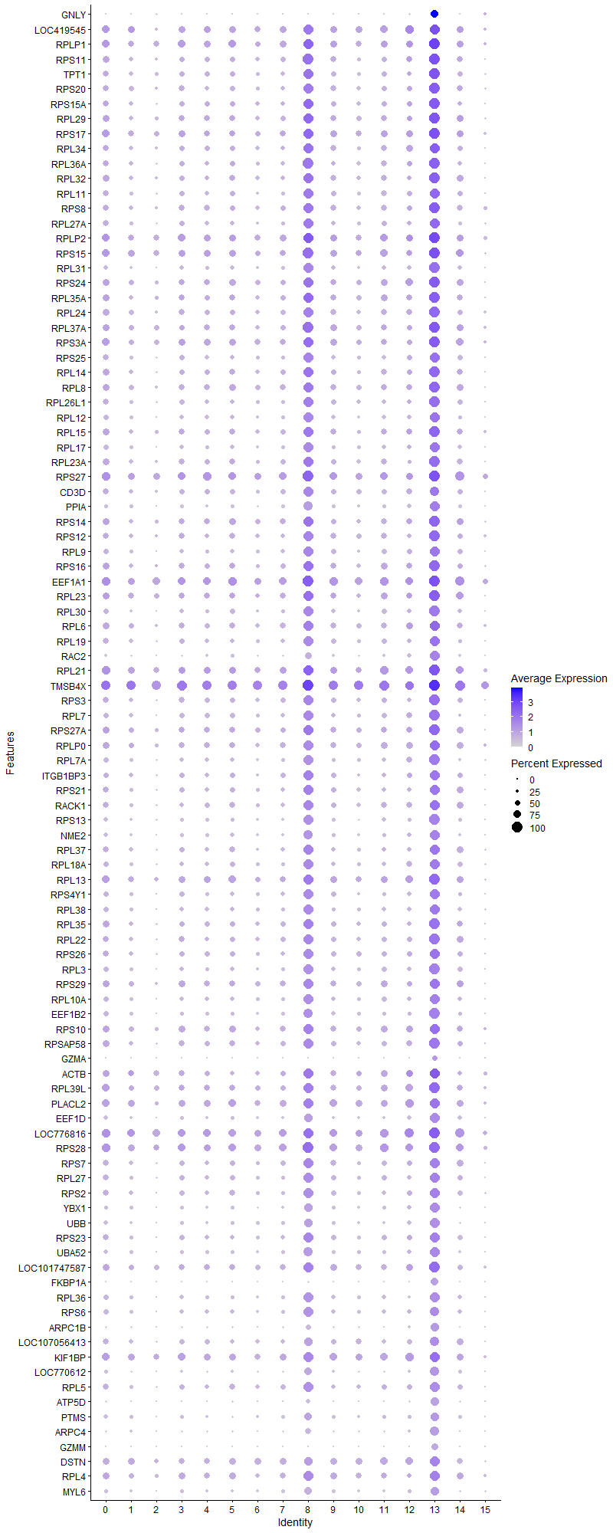
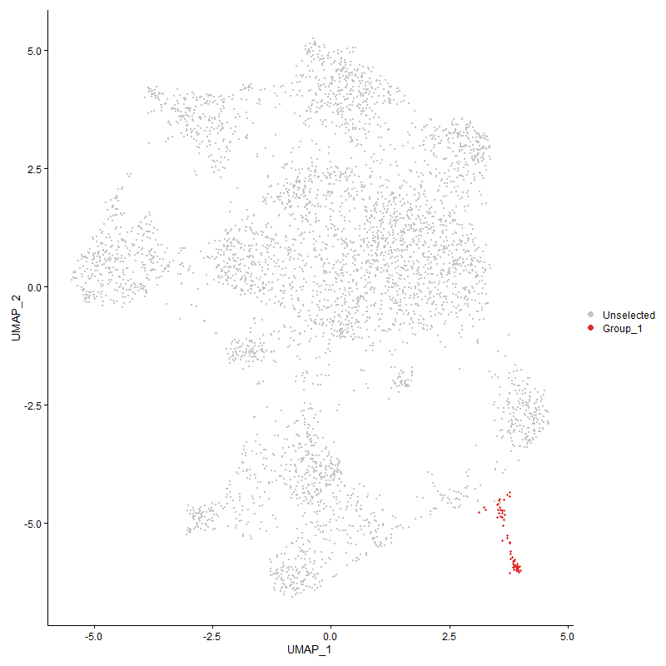
p_val_adj | cluster | gene | Memory because no CD28 expression ? Transcriptionally active CTL? Expressing GNLY, granzymes CD8a and CD8b etc
7.7778340205E-44 | 13 | GNLY | Granulysin
3.735759645E-33 | 13 | LOC419545 | uncharacterized
5.6896027687E-39 | 13 | RPLP1
2.3117429151E-41 | 13 | RPS11
2.8249301956E-38 | 13 | TPT1
2.775613503E-39 | 13 | RPS20
3.6725779046E-41 | 13 | RPS15A
7.8306755953E-38 | 13 | RPL29
7.7191695592E-39 | 13 | RPS17
1.6481153701E-37 | 13 | RPL34
2.4054066332E-42 | 13 | RPL36A
1.6274401347E-37 | 13 | RPL32
1.4025839134E-40 | 13 | RPL11
3.3729351935E-38 | 13 | RPS8
7.1745829001E-40 | 13 | RPL27A
4.2746260554E-35 | 13 | RPLP2
4.6183750578E-38 | 13 | RPS15
1.0188352494E-45 | 13 | RPL31
1.302201374E-35 | 13 | RPS24
2.5480889788E-35 | 13 | RPL35A
5.2451668895E-40 | 13 | RPL24
3.0749712447E-38 | 13 | RPL37A
2.377613195E-35 | 13 | RPS3A
1.0835445343E-37 | 13 | RPS25
4.9113236079E-36 | 13 | RPL14
7.5618983596E-36 | 13 | RPL8
1.348177516E-38 | 13 | RPL26L1
2.7460650533E-39 | 13 | RPL12
5.4993213233E-35 | 13 | RPL15
1.1635514644E-37 | 13 | RPL17
9.0503788868E-38 | 13 | RPL23A
9.0931387472E-36 | 13 | RPS27
5.2070878342E-33 | 13 | CD3D
5.8705706923E-39 | 13 | PPIA
1.519811802E-37 | 13 | RPS14
9.8053192913E-37 | 13 | RPS12
6.7766324403E-39 | 13 | RPL9
3.9487922378E-36 | 13 | RPS16
3.0927207808E-33 | 13 | EEF1A1
1.3763973228E-34 | 13 | RPL23
6.9009638324E-41 | 13 | RPL30
1.7281566078E-33 | 13 | RPL6
5.3927664661E-37 | 13 | RPL19
1.7883393301E-55 | 13 | RAC2
1.9324310873E-33 | 13 | RPL21
1.089412345E-31 | 13 | TMSB4X
4.1927756352E-39 | 13 | RPS3
5.7757691332E-35 | 13 | RPL7
1.085017687E-30 | 13 | RPS27A
3.2766445637E-31 | 13 | RPLP0
4.8467336566E-38 | 13 | RPL7A
7.1831201986E-31 | 13 | ITGB1BP3
3.0045420602E-34 | 13 | RPS21
1.2032454265E-31 | 13 | RACK1
3.2929709336E-42 | 13 | RPS13
5.9361979052E-38 | 13 | NME2
1.219477525E-33 | 13 | RPL37
1.265659342E-34 | 13 | RPL18A
3.0115810376E-32 | 13 | RPL13
3.9712070998E-38 | 13 | RPS4Y1
2.7823932722E-35 | 13 | RPL38
5.820886413E-33 | 13 | RPL35
3.3168215007E-36 | 13 | RPL22
2.5992773802E-26 | 13 | RPS26
1.2549518548E-38 | 13 | RPL3
1.1350139053E-31 | 13 | RPS29
3.1209761039E-36 | 13 | RPL10A
2.4867983393E-38 | 13 | EEF1B2
1.2620573546E-28 | 13 | RPS10
1.3757193282E-30 | 13 | RPSAP58
2.2170914275E-81 | 13 | GZMA
1.230449514E-17 | 13 | ACTB
1.7381546345E-27 | 13 | RPL39L
7.0440542233E-15 | 13 | PLACL2
4.2706951361E-33 | 13 | EEF1D
1.4369382271E-24 | 13 | LOC776816 | ACTG1L actin gamma 1 like [ Gallus gallus (chicken)
3.7079537917E-28 | 13 | RPS28
2.2964492416E-29 | 13 | RPS7
4.829924014E-27 | 13 | RPL27
1.7019350844E-26 | 13 | RPS2
5.3031563485E-32 | 13 | YBX1
1.6220535055E-40 | 13 | UBB
4.7986724745E-21 | 13 | RPS23
4.685773534E-31 | 13 | UBA52
5.6980466421E-21 | 13 | LOC101747587 | polyubiquitin-C-like [ Gallus gallus (chicken) ]
3.5657589064E-71 | 13 | FKBP1A
6.6429008148E-35 | 13 | RPL36
9.0546904089E-23 | 13 | RPS6
4.9836284601E-32 | 13 | ARPC1B
4.2373232913E-24 | 13 | LOC107056413
7.1803241029E-17 | 13 | KIF1BP
8.7509963406E-30 | 13 | LOC770612
1.927008948E-16 | 13 | RPL5
3.8680692178E-40 | 13 | ATP5D
7.1963759843E-21 | 13 | PTMS
6.7787092575E-26 | 13 | ARPC4
5.1379645673E-72 | 13 | GZMM
1.3702058581E-14 | 13 | DSTN
1.1510407278E-17 | 13 | RPL4
4.6371147542E-17 | 13 | MYL6
3.4663438974E-23 | 13 | CHCHD2
5.2934162584E-108 | 13 | CCL5
1.3819921401E-40 | 13 | COX7B
3.5103585347E-17 | 13 | ARPC2
7.7998905955E-32 | 13 | EIF3K
2.0346099226E-35 | 13 | URM1
2.4274795148E-19 | 13 | RHOA
3.5079106159E-26 | 13 | ARPC3
1.2757532526E-25 | 13 | PRDX1
1.1213232947E-15 | 13 | GAPDH
7.2851681315E-11 | 13 | H3F3C
...

Cluster14
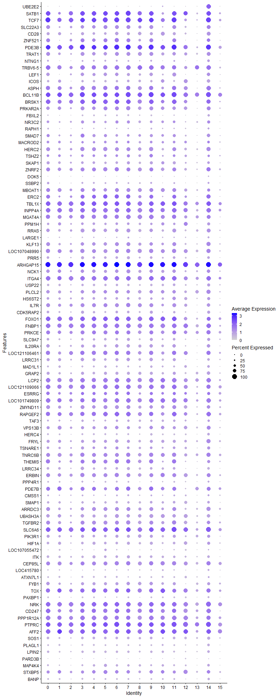
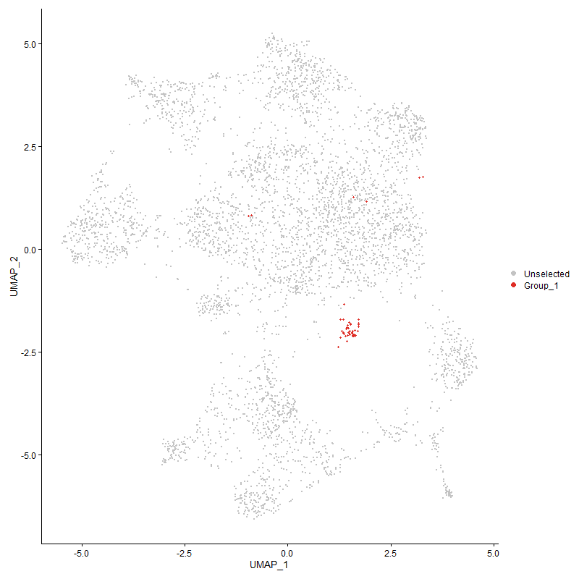
cluster | gene
14 | UBE2E2 | Ubiquitin Conjugating Enzyme E2 E2
14 | SATB1
14 | TCF7
14 | SLC22A3
14 | CD28
14 | ZNF521
14 | PDE3B
14 | TRAT1
14 | NTNG1
14 | TRBV6-5
14 | LEF1
14 | ICOS
14 | ASPH
14 | BCL11B
14 | BRSK1
14 | PRKAR2A
14 | FBXL2
14 | NR3C2
14 | RAPH1
14 | SMAD7
14 | MACROD2
14 | HERC2
14 | TSHZ2
14 | SKAP1
14 | ZNRF2
14 | DOK5
14 | SSBP2
14 | MBOAT1
14 | ERC2
14 | TBL1X
14 | INPP4A
14 | MGAT4A
14 | PPM1H
14 | RRAS
14 | LARGE1
14 | KLF13
14 | LOC107048990
14 | PRR5
14 | ARHGAP15
14 | NCK1
14 | ITGA4
14 | USP22
14 | PLCL2
14 | HS6ST2
14 | IL7R
14 | CDK5RAP2
14 | FOXO1
14 | FNBP1
14 | PRKCE
14 | SLC9A7
14 | IL20RA
14 | LOC121106461
14 | LRRC31
14 | MAD1L1
14 | GRAP2
14 | LCP2
14 | LOC121109066
14 | ESRRG
14 | LOC101749809
14 | ZMYND11
14 | RAPGEF2
14 | TAF3
14 | VPS13B
14 | HERC4
14 | FRYL
14 | TSNARE1
14 | TNRC6B
14 | THEMIS
14 | LRRC34
14 | ERBIN
14 | PPP4R1
14 | PDE7B
14 | CMSS1
14 | SMAP1
14 | ARRDC3
14 | UBASH3A
14 | TGFBR2
14 | SLC6A6
14 | PIK3R1
14 | HIF1A
14 | LOC107055472
14 | ITK
14 | CEP85L
14 | LOC415780
14 | ATXN7L1
14 | FYB1
14 | TOX
14 | PAXBP1
14 | NRK
14 | CD247
14 | PPP1R12A
14 | PTPRC
14 | AFF2
14 | SOS1
14 | PLAGL1
14 | LPIN2
14 | PARD3B
14 | MAP4K4
14 | STXBP5
14 | BANP
14 | TAF4B
14 | PTPRA
14 | RORA
14 | ATRX
14 | PITPNM2
14 | NDST4
14 | TIAL1
14 | RB1CC1
14 | ANAPC10
14 | RNF144A
...

Cluster15
...
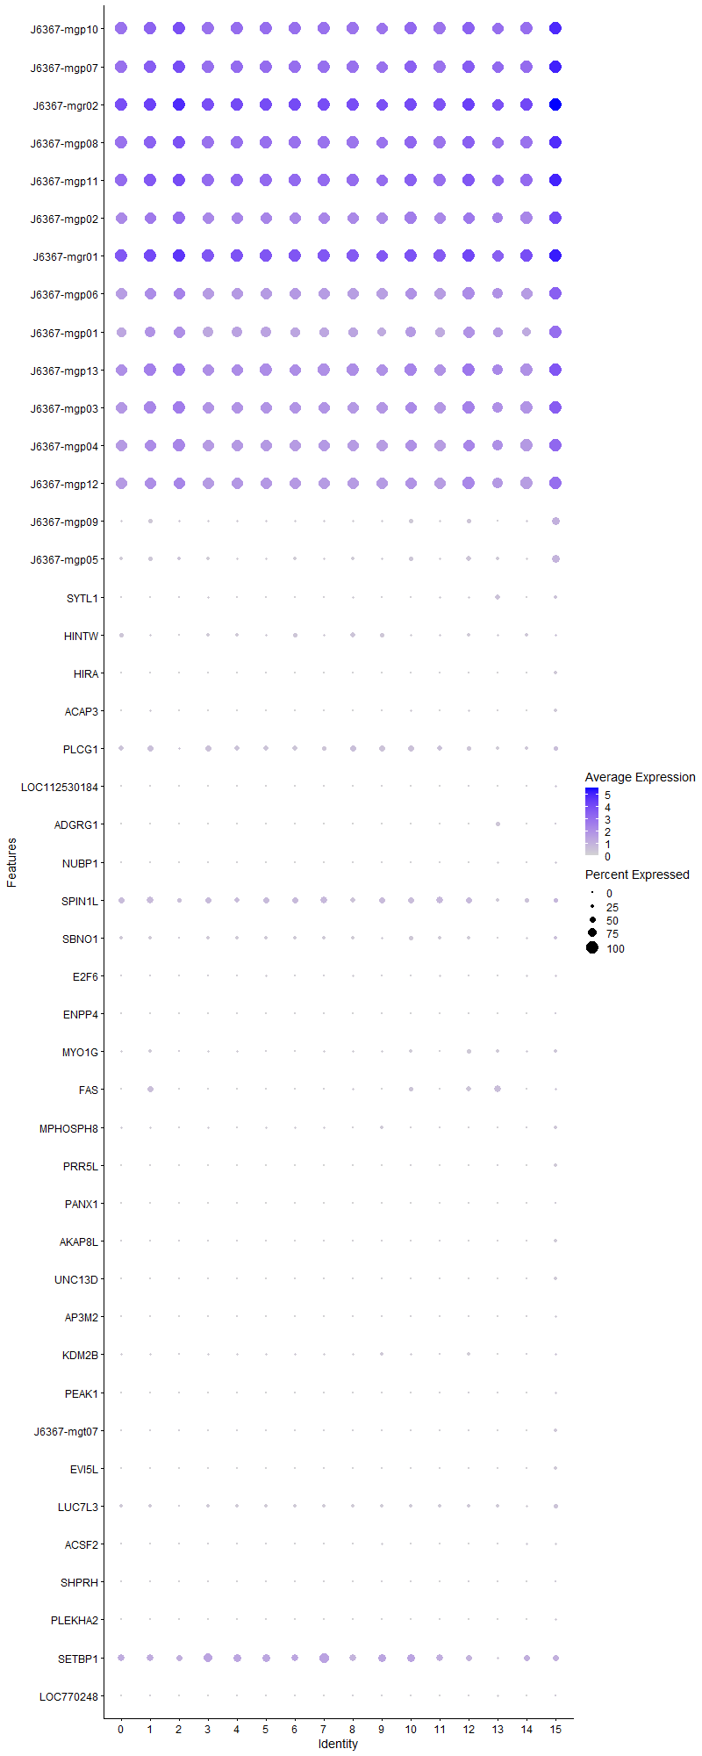
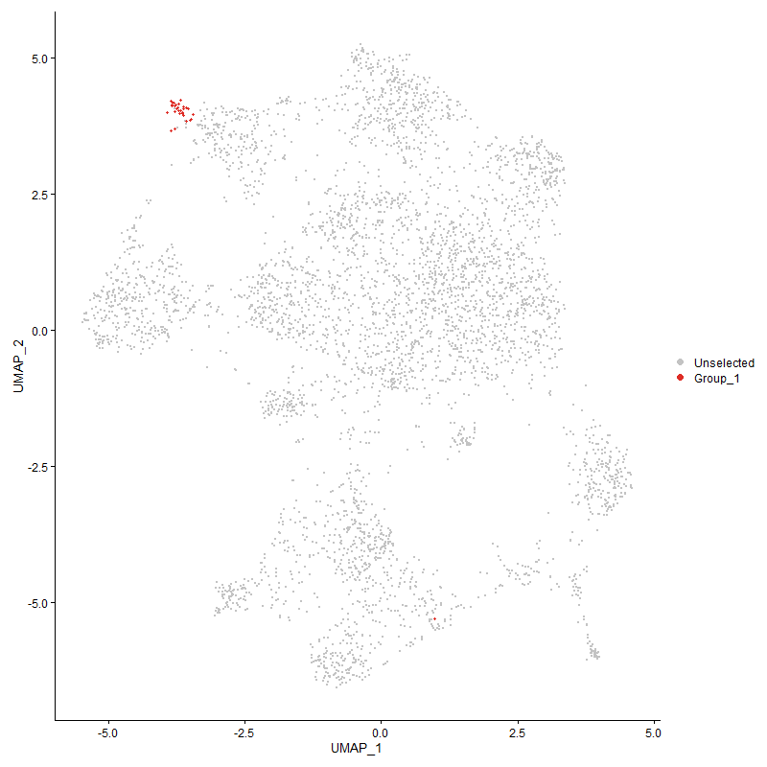
COX2 cytochrome c oxidase subunit II [ Gallus gallus (chicken) ]
COX3 cytochrome c oxidase subunit III [ Gallus gallus (chicken) ]
12S ribosomal RNA [ Gallus gallus (chicken) ]
...
ATP8 ATP synthase F0 subunit 8 [ Gallus gallus (chicken) ]
ND4L NADH dehydrogenase subunit 4L [ Gallus gallus (chicken) ]
...

