Clustered cells
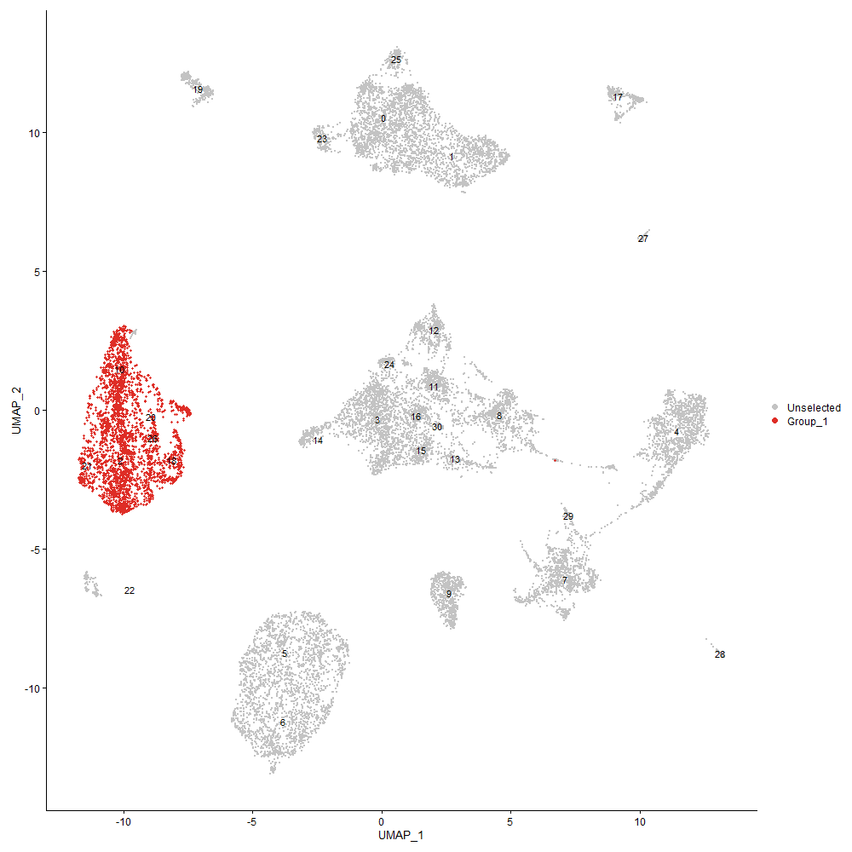
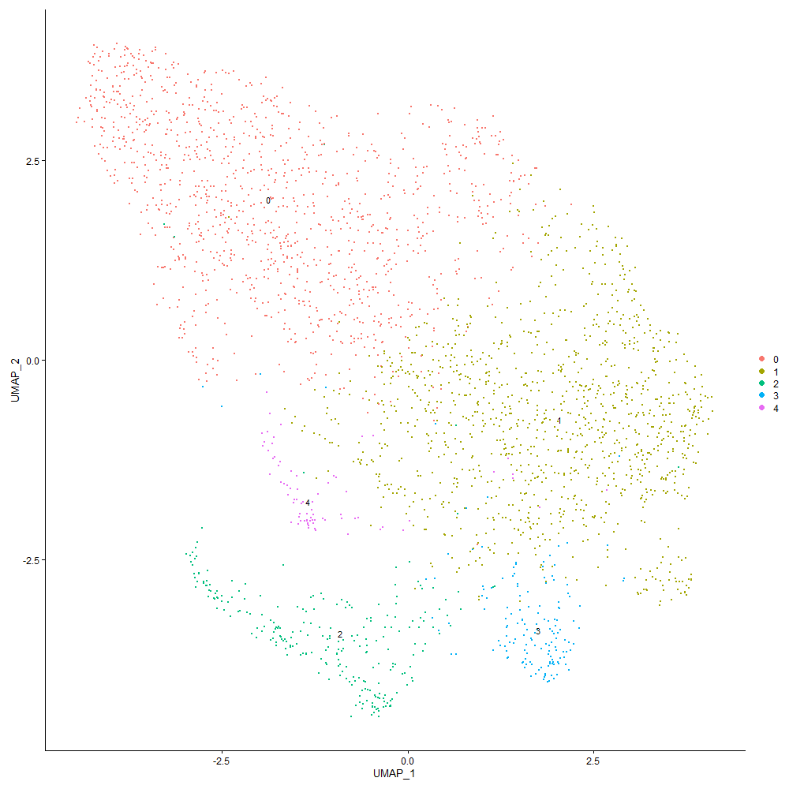
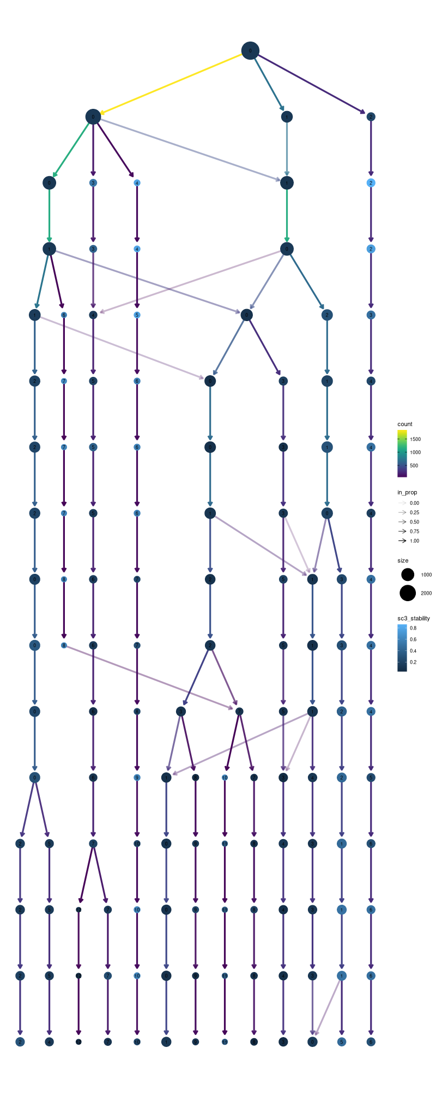

Cluster0
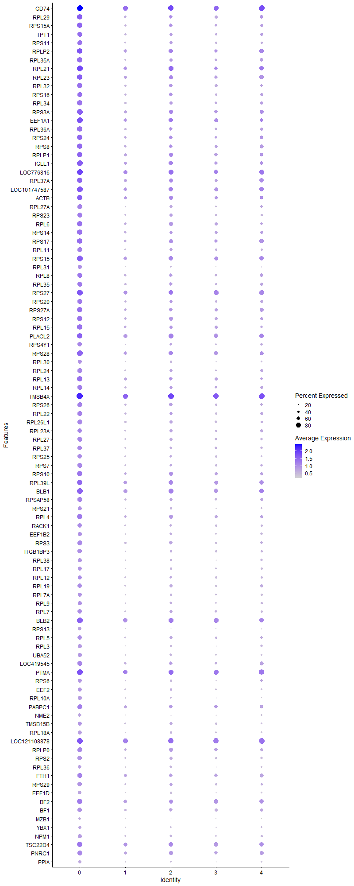
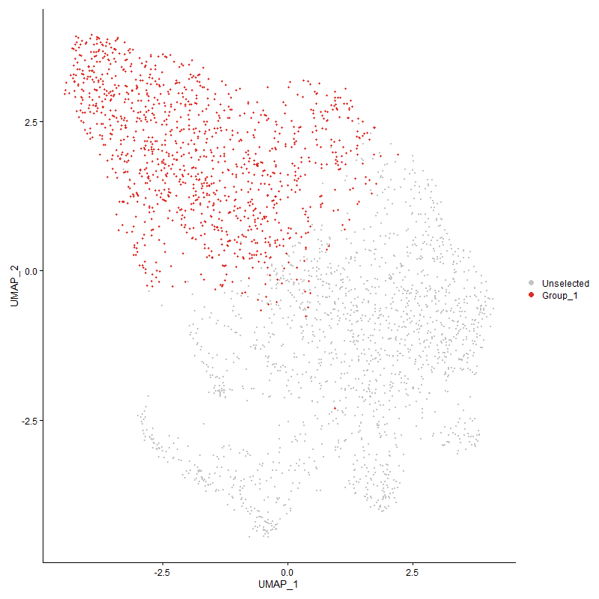
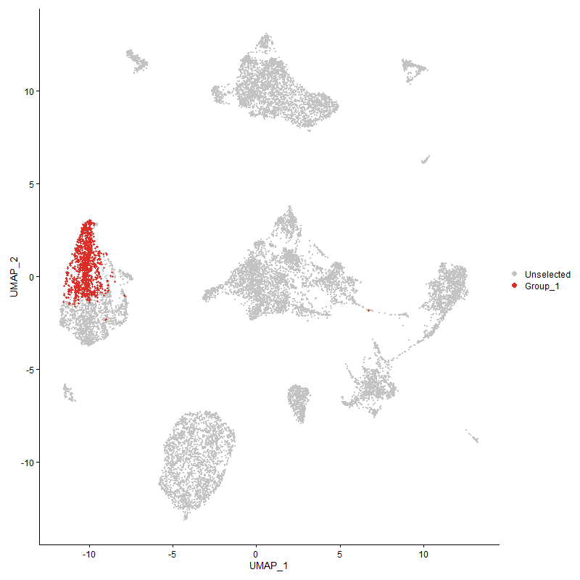
 | p_val | avg_log2FC | pct.1 | pct.2 | p_val_adj | cluster | gene
CD74 | 7.5579060783E-249 | 1.3190086495 | 0.987 | 0.862 | 1.1541678372E-244 | 0 | CD74
RPL29 | 1.1114320901E-196 | 1.281445633 | 0.905 | 0.512 | 1.6972679448E-192 | 0 | RPL29
RPS15A | 2.1851231537E-188 | 1.2648283435 | 0.877 | 0.453 | 3.3369015679E-184 | 0 | RPS15A
TPT1 | 1.6714260299E-167 | 1.1771669423 | 0.856 | 0.443 | 2.5524346903E-163 | 0 | TPT1
RPS11 | 8.4895924423E-182 | 1.1740643924 | 0.856 | 0.423 | 1.2964456619E-177 | 0 | RPS11
RPLP2 | 1.4547691355E-175 | 1.1691051486 | 0.915 | 0.631 | 2.2215779468E-171 | 0 | RPLP2
RPL35A | 1.6673926075E-179 | 1.1538434513 | 0.865 | 0.438 | 2.5462752509E-175 | 0 | RPL35A
RPL21 | 6.6240423049E-188 | 1.1392517947 | 0.967 | 0.667 | 1.0115575004E-183 | 0 | RPL21
RPL23 | 1.4981126644E-176 | 1.1257643751 | 0.917 | 0.615 | 2.2877678497E-172 | 0 | RPL23
RPL32 | 2.9064657121E-165 | 1.1137256283 | 0.859 | 0.475 | 4.438463789E-161 | 0 | RPL32
RPS16 | 1.9775979128E-162 | 1.1013151022 | 0.845 | 0.451 | 3.0199897727E-158 | 0 | RPS16
RPL34 | 4.1973197923E-175 | 1.0946965552 | 0.866 | 0.44 | 6.4097270549E-171 | 0 | RPL34
RPS3A | 8.466936904E-180 | 1.0903716025 | 0.929 | 0.573 | 1.2929859346E-175 | 0 | RPS3A
EEF1A1 | 2.8643633127E-163 | 1.084754965 | 0.934 | 0.667 | 4.3741692149E-159 | 0 | EEF1A1
RPL36A | 3.7416410652E-176 | 1.0815946128 | 0.875 | 0.446 | 5.7138600707E-172 | 0 | RPL36A
RPS24 | 1.1585193366E-172 | 1.0768945969 | 0.913 | 0.526 | 1.7691748789E-168 | 0 | RPS24
RPS8 | 4.3984937414E-153 | 1.0653009951 | 0.875 | 0.543 | 6.7169397925E-149 | 0 | RPS8
RPLP1 | 8.93540253E-167 | 1.0622800239 | 0.912 | 0.569 | 1.3645253204E-162 | 0 | RPLP1
IGLL1 | 8.8327353688E-156 | 1.0577320286 | 0.926 | 0.617 | 1.3488470182E-151 | 0 | IGLL1
LOC776816 | 5.6332305376E-199 | 1.0528092886 | 0.984 | 0.733 | 8.602506354E-195 | 0 | LOC776816
RPL37A | 2.614395995E-165 | 1.0409578224 | 0.915 | 0.585 | 3.9924441239E-161 | 0 | RPL37A
LOC101747587 | 1.6730524335E-174 | 1.0222374405 | 0.951 | 0.671 | 2.5549183711E-170 | 0 | LOC101747587
ACTB | 8.4835099665E-144 | 1.0103616743 | 0.911 | 0.6 | 1.295516807E-139 | 0 | ACTB
RPL27A | 1.1210498529E-155 | 1.0082351706 | 0.806 | 0.36 | 1.7119552303E-151 | 0 | RPL27A
RPS23 | 1.5353723269E-155 | 0.99933273072 | 0.826 | 0.407 | 2.3446670805E-151 | 0 | RPS23
RPL6 | 1.6379153672E-148 | 0.99901062589 | 0.868 | 0.536 | 2.5012605573E-144 | 0 | RPL6
RPS14 | 1.120928997E-161 | 0.99015410723 | 0.885 | 0.491 | 1.7117706714E-157 | 0 | RPS14
RPS17 | 6.9391007678E-143 | 0.98799190213 | 0.878 | 0.541 | 1.0596700783E-138 | 0 | RPS17
RPL11 | 1.7752449369E-145 | 0.98717965965 | 0.802 | 0.381 | 2.7109765432E-141 | 0 | RPL11
RPS15 | 3.9044149216E-164 | 0.97501985523 | 0.937 | 0.655 | 5.9624320267E-160 | 0 | RPS15
RPL31 | 2.9202164177E-150 | 0.97430828358 | 0.715 | 0.26 | 4.4594624915E-146 | 0 | RPL31
RPL8 | 9.9551574647E-137 | 0.95570610886 | 0.839 | 0.513 | 1.5202520964E-132 | 0 | RPL8
RPL35 | 3.6664663742E-149 | 0.94728660049 | 0.852 | 0.456 | 5.5990608001E-145 | 0 | RPL35
RPS27 | 1.2756381365E-156 | 0.94568257553 | 0.948 | 0.716 | 1.9480269982E-152 | 0 | RPS27
RPS20 | 3.091209548E-138 | 0.94517571613 | 0.844 | 0.46 | 4.7205861008E-134 | 0 | RPS20
RPS27A | 5.84694919E-150 | 0.9369525156 | 0.896 | 0.543 | 8.9288761081E-146 | 0 | RPS27A
RPS12 | 1.4198936042E-142 | 0.93398647726 | 0.874 | 0.522 | 2.168319523E-138 | 0 | RPS12
RPL15 | 3.9426848656E-150 | 0.92449271459 | 0.899 | 0.527 | 6.0208740582E-146 | 0 | RPL15
PLACL2 | 9.8582469934E-130 | 0.9059374914 | 0.919 | 0.699 | 1.5054528984E-125 | 0 | PLACL2
RPS4Y1 | 1.4178678E-136 | 0.8967941498 | 0.779 | 0.37 | 2.1652259174E-132 | 0 | RPS4Y1
RPS28 | 5.1487014452E-159 | 0.89053770624 | 0.954 | 0.663 | 7.8625819769E-155 | 0 | RPS28
RPL30 | 2.6401782982E-136 | 0.89049538198 | 0.715 | 0.288 | 4.0318162792E-132 | 0 | RPL30
RPL24 | 4.5350946504E-135 | 0.89030891045 | 0.799 | 0.401 | 6.9255430407E-131 | 0 | RPL24
RPL13 | 1.6681133309E-138 | 0.88902800851 | 0.9 | 0.565 | 2.5473758676E-134 | 0 | RPL13
RPL14 | 1.1418221671E-124 | 0.88392012789 | 0.816 | 0.459 | 1.7436766314E-120 | 0 | RPL14
TMSB4X | 3.1787172777E-146 | 0.88024398775 | 0.991 | 0.866 | 4.8542191548E-142 | 0 | TMSB4X
RPS26 | 3.6593568077E-140 | 0.87032364917 | 0.842 | 0.446 | 5.588203781E-136 | 0 | RPS26
RPL22 | 1.0489198606E-127 | 0.86192070154 | 0.821 | 0.444 | 1.6018055191E-123 | 0 | RPL22
RPL26L1 | 1.1978729303E-125 | 0.86058984763 | 0.797 | 0.435 | 1.8292717518E-121 | 0 | RPL26L1
RPL23A | 2.2259521067E-122 | 0.85852757405 | 0.789 | 0.421 | 3.3992514621E-118 | 0 | RPL23A
RPL27 | 9.6577527396E-127 | 0.85596978589 | 0.792 | 0.396 | 1.4748354209E-122 | 0 | RPL27
RPL37 | 3.6010226955E-120 | 0.85583010668 | 0.762 | 0.399 | 5.4991217582E-116 | 0 | RPL37
RPS25 | 1.9657797741E-123 | 0.85246000382 | 0.762 | 0.37 | 3.001942293E-119 | 0 | RPS25
RPS7 | 5.149676186E-134 | 0.84836719232 | 0.812 | 0.418 | 7.8640705037E-130 | 0 | RPS7
RPS10 | 1.6252217551E-134 | 0.84493268203 | 0.889 | 0.557 | 2.4818761422E-130 | 0 | RPS10
RPL39L | 1.3074662392E-131 | 0.84209809223 | 0.923 | 0.643 | 1.9966316939E-127 | 0 | RPL39L
BLB1 | 2.0379966106E-133 | 0.83989185692 | 0.944 | 0.735 | 3.1122246241E-129 | 0 | BLB1
RPSAP58 | 6.5834555115E-122 | 0.8390154864 | 0.806 | 0.456 | 1.0053594912E-117 | 0 | RPSAP58
RPS21 | 2.0093980402E-119 | 0.83881552271 | 0.713 | 0.333 | 3.0685517471E-115 | 0 | RPS21
RPL4 | 6.0013886123E-136 | 0.8356360441 | 0.881 | 0.541 | 9.1647205498E-132 | 0 | RPL4
RACK1 | 4.4994076943E-121 | 0.8205291093 | 0.781 | 0.415 | 6.8710454899E-117 | 0 | RACK1
EEF1B2 | 9.326643269E-114 | 0.82027174616 | 0.716 | 0.324 | 1.4242716936E-109 | 0 | EEF1B2
RPS3 | 4.5743872776E-122 | 0.81692082849 | 0.802 | 0.442 | 6.9855468116E-118 | 0 | RPS3
ITGB1BP3 | 6.5286473409E-118 | 0.81646059766 | 0.736 | 0.335 | 9.9698973542E-114 | 0 | ITGB1BP3
RPL38 | 4.6782414436E-122 | 0.80804580212 | 0.71 | 0.309 | 7.1441425085E-118 | 0 | RPL38
RPL17 | 2.1366320963E-121 | 0.80509979571 | 0.712 | 0.307 | 3.2628508742E-117 | 0 | RPL17
RPL12 | 3.8478030436E-93 | 0.80350809421 | 0.716 | 0.39 | 5.8759800279E-89 | 0 | RPL12
RPL19 | 1.4485610098E-115 | 0.79496572234 | 0.768 | 0.399 | 2.2120975181E-111 | 0 | RPL19
RPL7A | 1.0203059485E-115 | 0.78972220069 | 0.717 | 0.332 | 1.5581092139E-111 | 0 | RPL7A
RPL9 | 1.2162149807E-103 | 0.78908832524 | 0.704 | 0.346 | 1.8572818971E-99 | 0 | RPL9
RPL7 | 1.7167138236E-103 | 0.78417631257 | 0.744 | 0.401 | 2.62159368E-99 | 0 | RPL7
BLB2 | 2.9698852486E-111 | 0.75787952522 | 0.945 | 0.771 | 4.5353117632E-107 | 0 | BLB2
RPS13 | 4.1632313328E-112 | 0.75350096189 | 0.611 | 0.226 | 6.3576705684E-108 | 0 | RPS13
RPL5 | 1.5547555049E-101 | 0.74477081904 | 0.746 | 0.414 | 2.3742671315E-97 | 0 | RPL5
RPL3 | 9.5242619076E-110 | 0.73137225077 | 0.687 | 0.306 | 1.4544500359E-105 | 0 | RPL3
UBA52 | 1.5345795266E-101 | 0.71916130628 | 0.704 | 0.34 | 2.3434563951E-97 | 0 | UBA52
LOC419545 | 1.4973192019E-92 | 0.68655606437 | 0.821 | 0.508 | 2.2865561533E-88 | 0 | LOC419545
PTMA | 8.0992968298E-96 | 0.68000624512 | 0.956 | 0.786 | 1.2368436189E-91 | 0 | PTMA
RPS6 | 5.5145102465E-93 | 0.67215036858 | 0.711 | 0.339 | 8.4212085974E-89 | 0 | RPS6
EEF2 | 5.0554270304E-91 | 0.66496417681 | 0.712 | 0.354 | 7.7201426181E-87 | 0 | EEF2
RPL10A | 1.8169027866E-91 | 0.65563980707 | 0.678 | 0.31 | 2.7745922454E-87 | 0 | RPL10A
PABPC1 | 1.3770513916E-87 | 0.64942570588 | 0.844 | 0.583 | 2.1028951801E-83 | 0 | PABPC1
NME2 | 8.2947562083E-99 | 0.64747756601 | 0.619 | 0.244 | 1.2666922206E-94 | 0 | NME2
TMSB15B | 6.1662482473E-78 | 0.64670631944 | 0.696 | 0.391 | 9.4164776984E-74 | 0 | TMSB15B
RPL18A | 2.0652037709E-88 | 0.64029790802 | 0.663 | 0.317 | 3.1537726786E-84 | 0 | RPL18A
LOC121108878 | 6.7837902708E-109 | 0.63887425529 | 0.982 | 0.846 | 1.0359526122E-104 | 0 | LOC121108878
RPLP0 | 2.3156566797E-80 | 0.62176210695 | 0.815 | 0.529 | 3.5362393155E-76 | 0 | RPLP0
RPS2 | 3.3532990431E-81 | 0.61869578571 | 0.742 | 0.42 | 5.1208229687E-77 | 0 | RPS2
RPL36 | 1.6551536253E-76 | 0.61575053529 | 0.633 | 0.318 | 2.5275851012E-72 | 0 | RPL36
FTH1 | 3.6461897515E-69 | 0.5947752832 | 0.843 | 0.606 | 5.5680963695E-65 | 0 | FTH1
RPS29 | 2.1617234116E-72 | 0.58175151555 | 0.734 | 0.421 | 3.3011678219E-68 | 0 | RPS29
EEF1D | 4.9000521766E-82 | 0.58161986699 | 0.611 | 0.278 | 7.4828696788E-78 | 0 | EEF1D
BF2 | 1.6610008441E-72 | 0.57983407192 | 0.879 | 0.647 | 2.5365143891E-68 | 0 | BF2
BF1 | 7.4803377827E-69 | 0.55035126775 | 0.777 | 0.496 | 1.1423223828E-64 | 0 | BF1
MZB1 | 2.9309773966E-66 | 0.53555366901 | 0.514 | 0.222 | 4.4758955823E-62 | 0 | MZB1
YBX1 | 4.552775535E-59 | 0.52897377551 | 0.588 | 0.303 | 6.9525435195E-55 | 0 | YBX1
NPM1 | 3.555703514E-56 | 0.51627361212 | 0.675 | 0.404 | 5.4299148362E-52 | 0 | NPM1
TSC22D4 | 4.4144308362E-50 | 0.50705584278 | 0.877 | 0.711 | 6.74127733E-46 | 0 | TSC22D4
PNRC1 | 9.7867461926E-58 | 0.50231252532 | 0.837 | 0.596 | 1.4945340111E-53 | 0 | PNRC1
PPIA | 2.3662317219E-58 | 0.50202146087 | 0.577 | 0.299 | 3.6134724625E-54 | 0 | PPIA
KIF1BP | 1.1860269343E-47 | 0.47515917824 | 0.777 | 0.565 | 1.8111817314E-43 | 0 | KIF1BP
GPX1 | 1.5443817281E-52 | 0.47072737984 | 0.579 | 0.317 | 2.3584253369E-48 | 0 | GPX1
ENO1 | 1.2346224379E-52 | 0.46553809878 | 0.543 | 0.28 | 1.885391925E-48 | 0 | ENO1
H3F3C | 2.8655984995E-49 | 0.4617103982 | 0.762 | 0.548 | 4.3760554686E-45 | 0 | H3F3C
HMGN4 | 8.7218407841E-52 | 0.4600734463 | 0.523 | 0.26 | 1.3319123061E-47 | 0 | HMGN4
PTMS | 8.5775153218E-53 | 0.45468105085 | 0.474 | 0.213 | 1.3098723648E-48 | 0 | PTMS
LOC107056413 | 2.7650756578E-45 | 0.43930548843 | 0.72 | 0.485 | 4.222547037E-41 | 0 | LOC107056413
SERBP1 | 3.7867258199E-53 | 0.43675257812 | 0.589 | 0.314 | 5.7827089995E-49 | 0 | SERBP1
CYBA | 1.4314897372E-46 | 0.43007882793 | 0.576 | 0.328 | 2.1860279777E-42 | 0 | CYBA
IFI30 | 2.8421251021E-39 | 0.42273485517 | 0.856 | 0.696 | 4.3402092434E-35 | 0 | IFI30
EIF4A2 | 2.6532868143E-43 | 0.4202301685 | 0.663 | 0.43 | 4.0518342941E-39 | 0 | EIF4A2
HSP90AA1 | 1.9492390295E-36 | 0.40735880215 | 0.544 | 0.32 | 2.976682922E-32 | 0 | HSP90AA1
EEF1G | 8.3676061281E-44 | 0.40401144582 | 0.676 | 0.436 | 1.2778171318E-39 | 0 | EEF1G
HHEX | 1.6750941998E-37 | 0.40126260099 | 0.668 | 0.448 | 2.5580363524E-33 | 0 | HHEX
LOC770612 | 1.5203677954E-42 | 0.39404714871 | 0.435 | 0.199 | 2.3217536604E-38 | 0 | LOC770612
RHOA | 1.1194175091E-38 | 0.380599998 | 0.579 | 0.352 | 1.7094624782E-34 | 0 | RHOA
DMA | 1.8867856056E-46 | 0.38057586744 | 0.479 | 0.233 | 2.8813102983E-42 | 0 | DMA
CD79B | 9.2111860923E-36 | 0.37679581634 | 0.667 | 0.451 | 1.4066402282E-31 | 0 | CD79B
HVCN1 | 3.520154117E-30 | 0.37172815328 | 0.803 | 0.648 | 5.3756273521E-26 | 0 | HVCN1
JUND | 5.5812524894E-25 | 0.37132336725 | 0.708 | 0.547 | 8.5231306765E-21 | 0 | JUND
UBB | 2.2981236699E-40 | 0.36816299028 | 0.434 | 0.21 | 3.5094646563E-36 | 0 | UBB
ARF6 | 4.1522209753E-37 | 0.36677159685 | 0.461 | 0.242 | 6.3408566514E-33 | 0 | ARF6
RAC2 | 6.4399956146E-47 | 0.36606072613 | 0.398 | 0.16 | 9.8345173031E-43 | 0 | RAC2
EIF5A2 | 3.2515735797E-45 | 0.36361302458 | 0.437 | 0.194 | 4.9654780135E-41 | 0 | EIF5A2
HMGB1 | 3.6246257875E-30 | 0.36151893541 | 0.648 | 0.454 | 5.5351660402E-26 | 0 | HMGB1
GRAPL | 1.4928194389E-40 | 0.3612101843 | 0.641 | 0.402 | 2.2796845652E-36 | 0 | GRAPL
LOC107049666 | 1.4192376861E-29 | 0.36064115821 | 0.674 | 0.489 | 2.1673178705E-25 | 0 | LOC107049666
COX4I1 | 6.0934263788E-50 | 0.35827046862 | 0.383 | 0.141 | 9.305271423E-46 | 0 | COX4I1
MYL6 | 2.4777423043E-41 | 0.35723774048 | 0.542 | 0.298 | 3.7837602729E-37 | 0 | MYL6
ARPC1B | 1.8813125708E-44 | 0.35413726438 | 0.346 | 0.128 | 2.8729524269E-40 | 0 | ARPC1B
EIF3K | 1.6443110013E-54 | 0.34883154421 | 0.29 | 0.072 | 2.5110273301E-50 | 0 | EIF3K
ZFP36L1 | 1.8594412228E-28 | 0.34262243772 | 0.823 | 0.711 | 2.8395526914E-24 | 0 | ZFP36L1
HNRNPA1 | 1.6954298223E-43 | 0.33943830553 | 0.435 | 0.194 | 2.5890908816E-39 | 0 | HNRNPA1
NSA2 | 1.8619136702E-43 | 0.33915063479 | 0.36 | 0.14 | 2.8433283658E-39 | 0 | NSA2
GAPDH | 1.1611016538E-33 | 0.32575684834 | 0.357 | 0.162 | 1.7731183355E-29 | 0 | GAPDH
ARPC4 | 7.7665736585E-37 | 0.32264389497 | 0.442 | 0.22 | 1.1860334634E-32 | 0 | ARPC4
ZNF593 | 4.9199583577E-41 | 0.31961138767 | 0.395 | 0.168 | 7.513268408E-37 | 0 | ZNF593
SH3BGRL3 | 1.4043786687E-40 | 0.31924264772 | 0.413 | 0.184 | 2.144626665E-36 | 0 | SH3BGRL3
CD81 | 3.4774995395E-25 | 0.31922894529 | 0.585 | 0.406 | 5.3104895467E-21 | 0 | CD81
TOMM7 | 9.8372520518E-43 | 0.31358369886 | 0.362 | 0.141 | 1.5022467608E-38 | 0 | TOMM7
CHCHD2 | 1.3970485573E-29 | 0.31028668845 | 0.453 | 0.258 | 2.1334328518E-25 | 0 | CHCHD2
EIF3E | 5.3152530212E-30 | 0.31027521659 | 0.428 | 0.235 | 8.1169228886E-26 | 0 | EIF3E
TLN1 | 2.1378740287E-26 | 0.3077803058 | 0.431 | 0.25 | 3.2647474292E-22 | 0 | TLN1
HEXIM1 | 3.3951129846E-23 | 0.30572454381 | 0.525 | 0.358 | 5.1846770388E-19 | 0 | HEXIM1
NCL | 1.7578713504E-27 | 0.30291538812 | 0.599 | 0.403 | 2.6844453392E-23 | 0 | NCL
LOC396098 | 1.0485089376E-22 | 0.30185066964 | 0.807 | 0.657 | 1.6011779986E-18 | 0 | LOC396098
CSK | 1.9487559316E-25 | 0.30019602639 | 0.666 | 0.49 | 2.9759451831E-21 | 0 | CSK
NACA | 4.9516508082E-33 | 0.29885428965 | 0.422 | 0.214 | 7.5616659491E-29 | 0 | NACA
ITM2A | 2.2459324316E-22 | 0.29852823729 | 0.583 | 0.41 | 3.4297634163E-18 | 0 | ITM2A
LSP1P1 | 2.7357594264E-24 | 0.29686926515 | 0.597 | 0.412 | 4.1777782201E-20 | 0 | LSP1P1
SERF2 | 4.5245606041E-24 | 0.29313369106 | 0.556 | 0.385 | 6.9094564986E-20 | 0 | SERF2
SEPTIN9 | 2.2474122362E-24 | 0.29239313116 | 0.685 | 0.509 | 3.4320232259E-20 | 0 | SEPTIN9
CALM2 | 4.6643443856E-31 | 0.28980811208 | 0.409 | 0.209 | 7.1229203113E-27 | 0 | CALM2
CALM1 | 7.474133307E-21 | 0.28750610813 | 0.57 | 0.414 | 1.1413748973E-16 | 0 | CALM1
GNAI2 | 3.3609071551E-28 | 0.28663894152 | 0.48 | 0.283 | 5.1324413166E-24 | 0 | GNAI2
JUN | 2.3242171624E-15 | 0.28650124652 | 0.413 | 0.284 | 3.5493120287E-11 | 0 | JUN
BHLHE41 | 1.9438907292E-19 | 0.28624473838 | 0.687 | 0.556 | 2.9685155325E-15 | 0 | BHLHE41
SET | 2.5765588795E-27 | 0.28417878555 | 0.45 | 0.258 | 3.9346630648E-23 | 0 | SET
CXCR4 | 7.5318364436E-18 | 0.28027111076 | 0.494 | 0.349 | 1.1501867433E-13 | 0 | CXCR4
ANP32B | 4.9910917264E-26 | 0.27673872503 | 0.391 | 0.214 | 7.6218961754E-22 | 0 | ANP32B
LOC121107448 | 7.3600660052E-36 | 0.27610830628 | 0.181 | 0.04 | 1.1239556797E-31 | 0 | LOC121107448
EIF3M | 1.4822123006E-27 | 0.27370261695 | 0.31 | 0.141 | 2.2634864043E-23 | 0 | EIF3M
ATP5D | 3.1476687954E-37 | 0.27256354948 | 0.305 | 0.112 | 4.8068050174E-33 | 0 | ATP5D
TPM3 | 6.0684511275E-23 | 0.27035310278 | 0.544 | 0.365 | 9.2671317168E-19 | 0 | TPM3
LOC100859737 | 2.4529522971E-27 | 0.27023251295 | 0.321 | 0.15 | 3.7459034529E-23 | 0 | LOC100859737
COTL1 | 3.4930246719E-26 | 0.2692164341 | 0.406 | 0.227 | 5.3341979765E-22 | 0 | COTL1
KLF2 | 9.3113055394E-14 | 0.26334727569 | 0.653 | 0.545 | 1.4219294689E-09 | 0 | KLF2
SELENOP1 | 3.1811415442E-19 | 0.26200457137 | 0.584 | 0.423 | 4.8579212521E-15 | 0 | SELENOP1
HDGF | 3.1614476785E-28 | 0.26108613404 | 0.31 | 0.141 | 4.8278467498E-24 | 0 | HDGF
EIF1 | 1.2498777587E-19 | 0.26034155383 | 0.542 | 0.378 | 1.9086883253E-15 | 0 | EIF1
B2M | 1.3606902989E-28 | 0.25613567163 | 0.345 | 0.165 | 2.0779101555E-24 | 0 | B2M
CAP1 | 2.5673389254E-24 | 0.25527485552 | 0.384 | 0.212 | 3.9205832729E-20 | 0 | CAP1
ZNRF1 | 2.6663461673E-25 | 0.25412885261 | 0.295 | 0.137 | 4.0717772321E-21 | 0 | ZNRF1
ETS1 | 5.8600105914E-21 | 0.25249052326 | 0.88 | 0.756 | 8.9488221741E-17 | 0 | ETS1
ATP5L | 4.8250344662E-27 | 0.25246603406 | 0.303 | 0.138 | 7.3683101334E-23 | 0 | ATP5L
H3F3B | 1.1214318638E-16 | 0.25101787613 | 0.779 | 0.667 | 1.7125385992E-12 | 0 | H3F3B

Cluster1
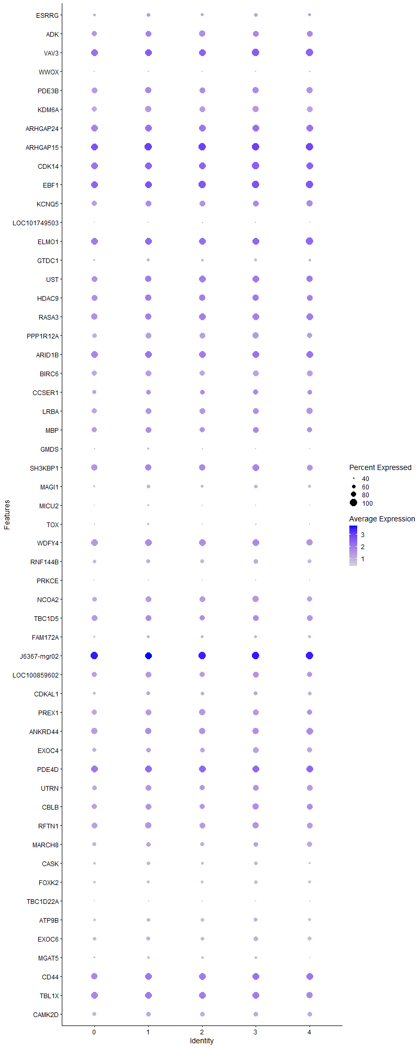
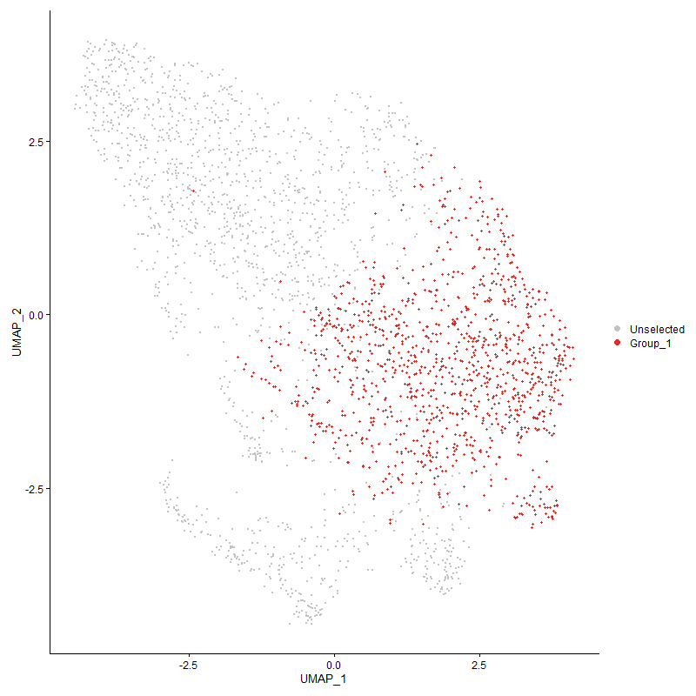
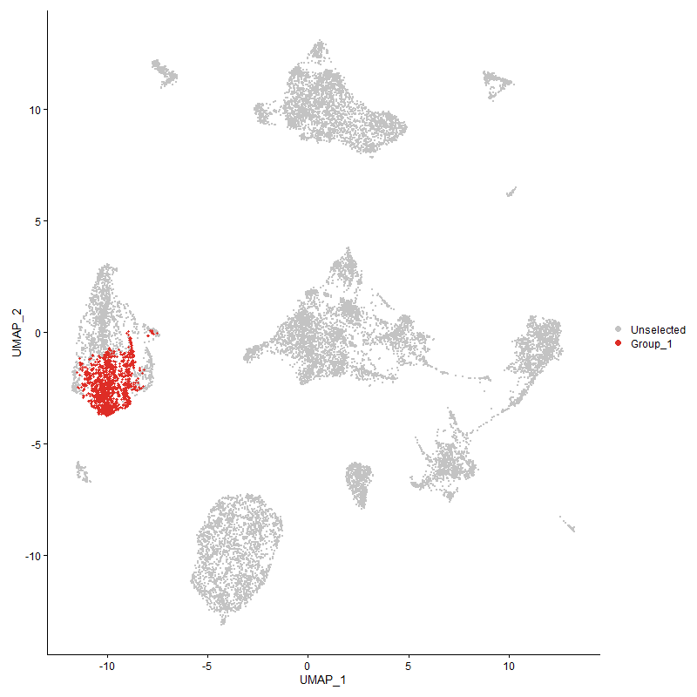
 | p_val | avg_log2FC | pct.1 | pct.2 | p_val_adj | cluster | gene
ESRRG | 5.0704634644E-09 | 0.42342209788 | 0.607 | 0.542 | 7.7431047565E-05 | 1 | ESRRG
ADK | 3.2537925398E-20 | 0.41238695814 | 0.866 | 0.833 | 4.9688665875E-16 | 1 | ADK
VAV3 | 6.6853344354E-35 | 0.37277566016 | 0.994 | 0.992 | 1.0209174216E-30 | 1 | VAV3
WWOX | 0.00013356419745 | 0.37120465167 | 0.348 | 0.291 | 1 | 1 | WWOX
PDE3B | 8.9129995721E-22 | 0.37013288141 | 0.913 | 0.863 | 1.3611041647E-17 | 1 | PDE3B
KDM6A | 9.3219874037E-25 | 0.36329864811 | 0.885 | 0.823 | 1.4235606964E-20 | 1 | KDM6A
ARHGAP24 | 1.4571991096E-27 | 0.35118629375 | 0.98 | 0.967 | 2.2252887603E-23 | 1 | ARHGAP24
ARHGAP15 | 9.2635723638E-51 | 0.34948483813 | 1 | 0.999 | 1.4146401357E-46 | 1 | ARHGAP15
CDK14 | 1.9218422191E-29 | 0.34917906853 | 0.985 | 0.982 | 2.9348452528E-25 | 1 | CDK14
EBF1 | 5.4219813749E-30 | 0.34812077577 | 0.996 | 0.992 | 8.2799077576E-26 | 1 | EBF1
KCNQ5 | 1.9255824931E-14 | 0.33722721877 | 0.865 | 0.821 | 2.9405570252E-10 | 1 | KCNQ5
LOC101749503 | 5.5076146935E-05 | 0.32692472777 | 0.353 | 0.297 | 0.84106783985 | 1 | LOC101749503
ELMO1 | 5.3025552212E-27 | 0.32587230677 | 0.993 | 0.985 | 8.0975320783E-23 | 1 | ELMO1
GTDC1 | 4.9213310169E-15 | 0.3251817894 | 0.593 | 0.477 | 7.5153645959E-11 | 1 | GTDC1
UST | 3.4896343491E-19 | 0.32205757554 | 0.926 | 0.885 | 5.3290206146E-15 | 1 | UST
HDAC9 | 2.768151173E-13 | 0.32155120177 | 0.899 | 0.875 | 4.2272436563E-09 | 1 | HDAC9
RASA3 | 3.0669199473E-18 | 0.32068118889 | 0.935 | 0.908 | 4.6834934516E-14 | 1 | RASA3
PPP1R12A | 1.4818525081E-18 | 0.31102193327 | 0.86 | 0.787 | 2.2629369652E-14 | 1 | PPP1R12A
ARID1B | 1.9801389983E-22 | 0.30910635998 | 0.971 | 0.964 | 3.0238702644E-18 | 1 | ARID1B
BIRC6 | 1.7860062934E-16 | 0.29180219601 | 0.864 | 0.814 | 2.7274102107E-12 | 1 | BIRC6
CCSER1 | 7.8278031319E-08 | 0.29076324962 | 0.736 | 0.709 | 0.0011953838163 | 1 | CCSER1
LRBA | 2.2457941345E-15 | 0.29055274697 | 0.86 | 0.81 | 3.4295522228E-11 | 1 | LRBA
MBP | 1.0769202981E-10 | 0.2902574678 | 0.865 | 0.824 | 1.6445649872E-06 | 1 | MBP
GMDS | 1.1947638034E-05 | 0.28723325276 | 0.462 | 0.397 | 0.18245238042 | 1 | GMDS
SH3KBP1 | 6.362238887E-13 | 0.28623613231 | 0.923 | 0.906 | 9.7157750043E-09 | 1 | SH3KBP1
MAGI1 | 2.9497491195E-11 | 0.28556214408 | 0.598 | 0.485 | 4.5045618804E-07 | 1 | MAGI1
MICU2 | 1.0969848031E-06 | 0.28295053644 | 0.433 | 0.366 | 0.016752054928 | 1 | MICU2
TOX | 0.00053858662125 | 0.28018410246 | 0.442 | 0.389 | 1 | 1 | TOX
WDFY4 | 1.0575051981E-18 | 0.27852063259 | 0.948 | 0.951 | 1.6149161881E-14 | 1 | WDFY4
RNF144B | 2.173591411E-08 | 0.27570706941 | 0.688 | 0.637 | 0.00033192914438 | 1 | RNF144B
PRKCE | 5.7268033641E-05 | 0.27552753098 | 0.353 | 0.294 | 0.87454014174 | 1 | PRKCE
NCOA2 | 1.7533368789E-13 | 0.2727911683 | 0.854 | 0.788 | 2.6775207478E-09 | 1 | NCOA2
TBC1D5 | 2.4415753145E-08 | 0.27230786721 | 0.844 | 0.832 | 0.00037285296627 | 1 | TBC1D5
FAM172A | 2.3929709318E-07 | 0.27197562255 | 0.554 | 0.488 | 0.00365430591 | 1 | FAM172A
J6367-mgr02 | 7.1545212966E-12 | 0.27164378509 | 0.999 | 1 | 1.0925669472E-07 | 1 | J6367-mgr02
LOC100859602 | 1.9587934907E-12 | 0.27126213173 | 0.851 | 0.802 | 2.9912735396E-08 | 1 | LOC100859602
CDKAL1 | 1.3919798127E-09 | 0.26999040792 | 0.677 | 0.604 | 2.125692372E-05 | 1 | CDKAL1
PREX1 | 1.2274264789E-10 | 0.26933988339 | 0.868 | 0.821 | 1.874402976E-06 | 1 | PREX1
ANKRD44 | 8.767846256E-16 | 0.26830657089 | 0.922 | 0.899 | 1.3389378018E-11 | 1 | ANKRD44
EXOC4 | 9.8801620399E-09 | 0.26676652472 | 0.746 | 0.724 | 0.00015087995451 | 1 | EXOC4
PDE4D | 1.1723203747E-14 | 0.26278471798 | 0.95 | 0.955 | 1.7902504442E-10 | 1 | PDE4D
UTRN | 3.6369420047E-11 | 0.26055605848 | 0.845 | 0.773 | 5.5539741354E-07 | 1 | UTRN
CBLB | 5.1609278097E-12 | 0.25898233971 | 0.863 | 0.791 | 7.8812528582E-08 | 1 | CBLB
RFTN1 | 1.6911954398E-13 | 0.25823440849 | 0.891 | 0.861 | 2.5826245562E-09 | 1 | RFTN1
MARCH8 | 5.5463788777E-09 | 0.25712633368 | 0.739 | 0.675 | 8.4698751842E-05 | 1 | MARCH8
CASK | 7.3003847507E-09 | 0.25708545319 | 0.612 | 0.537 | 0.00011148417553 | 1 | CASK
FOXK2 | 6.8098805771E-08 | 0.25441443107 | 0.586 | 0.529 | 0.0010399368629 | 1 | FOXK2
TBC1D22A | 1.8781825873E-07 | 0.25407195178 | 0.39 | 0.32 | 0.0028681726291 | 1 | TBC1D22A
ATP9B | 4.0312170528E-08 | 0.25266143058 | 0.625 | 0.559 | 0.00061560715613 | 1 | ATP9B
EXOC6 | 7.6464787908E-09 | 0.25204480262 | 0.684 | 0.633 | 0.00011676937761 | 1 | EXOC6
MGAT5 | 5.5298962269E-09 | 0.25158159851 | 0.531 | 0.434 | 8.4447045281E-05 | 1 | MGAT5
CD44 | 2.3470337362E-12 | 0.25062094903 | 0.955 | 0.945 | 3.5841552186E-08 | 1 | CD44
TBL1X | 4.4194096943E-13 | 0.25050552802 | 0.958 | 0.954 | 6.7488805441E-09 | 1 | TBL1X
CAMK2D | 9.2068652007E-08 | 0.25050440602 | 0.729 | 0.684 | 0.0014059803848 | 1 | CAMK2D

Cluster2
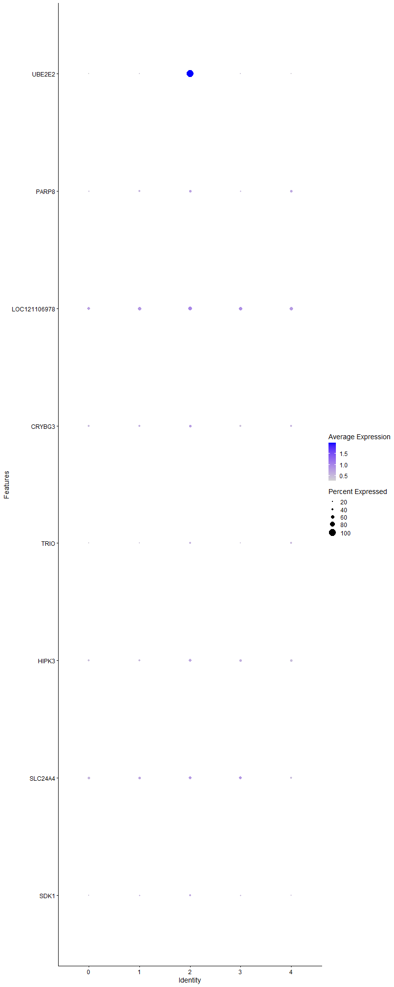
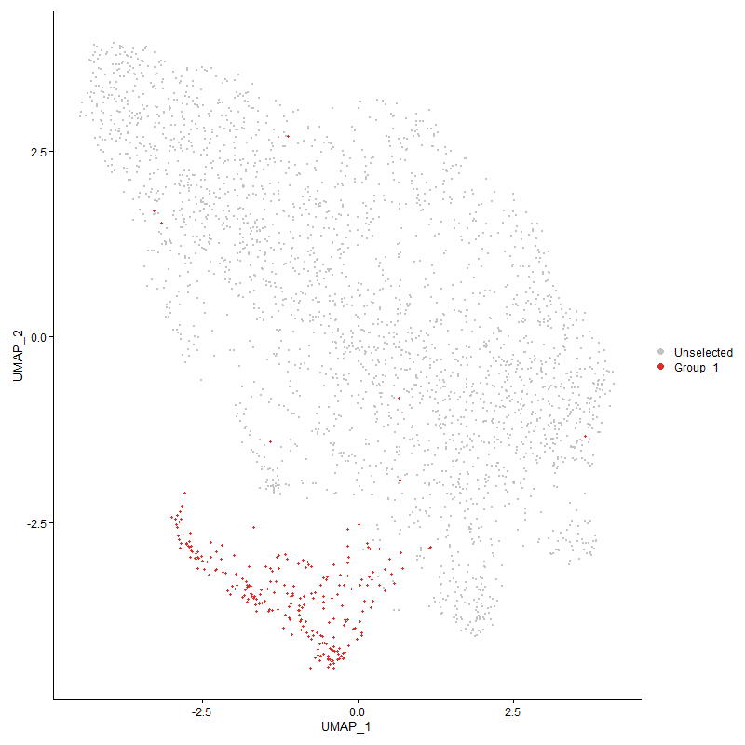
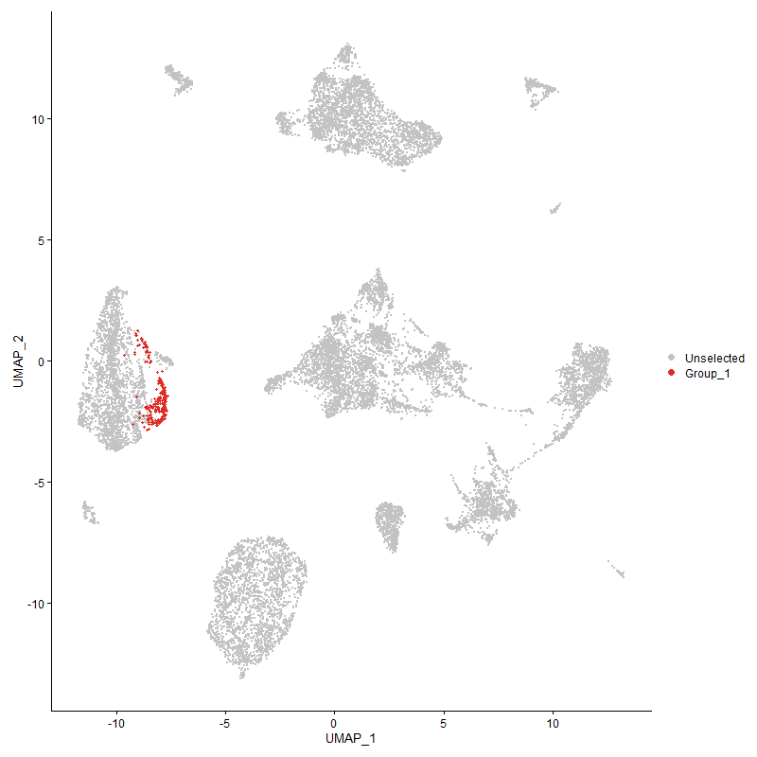
 | p_val | avg_log2FC | pct.1 | pct.2 | p_val_adj | cluster | gene
UBE2E2 | 1.3268762299E-248 | 2.4268900266 | 1 | 0.175 | 2.0262726907E-244 | 2 | UBE2E2
PARP8 | 7.511147437E-05 | 0.29858151119 | 0.462 | 0.35 | 1 | 2 | PARP8
LOC121106978 | 0.0027372449472 | 0.291585809 | 0.623 | 0.558 | 1 | 2 | LOC121106978
CRYBG3 | 0.00053435180929 | 0.2803778391 | 0.462 | 0.372 | 1 | 2 | CRYBG3
TRIO | 3.8482590171E-06 | 0.2760946466 | 0.356 | 0.232 | 0.05876676345 | 2 | TRIO
HIPK3 | 8.4358943098E-06 | 0.27440035182 | 0.514 | 0.391 | 0.12882454201 | 2 | HIPK3
SLC24A4 | 0.0032506993939 | 0.26890130647 | 0.518 | 0.444 | 1 | 2 | SLC24A4
SDK1 | 0.0021513600686 | 0.26002527445 | 0.364 | 0.28 | 1 | 2 | SDK1

Cluster3
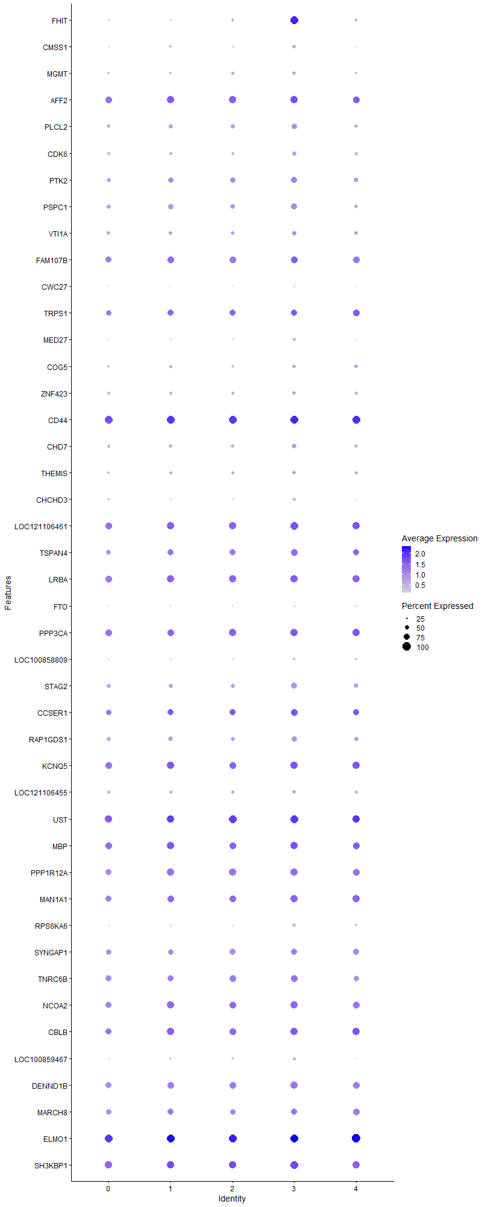
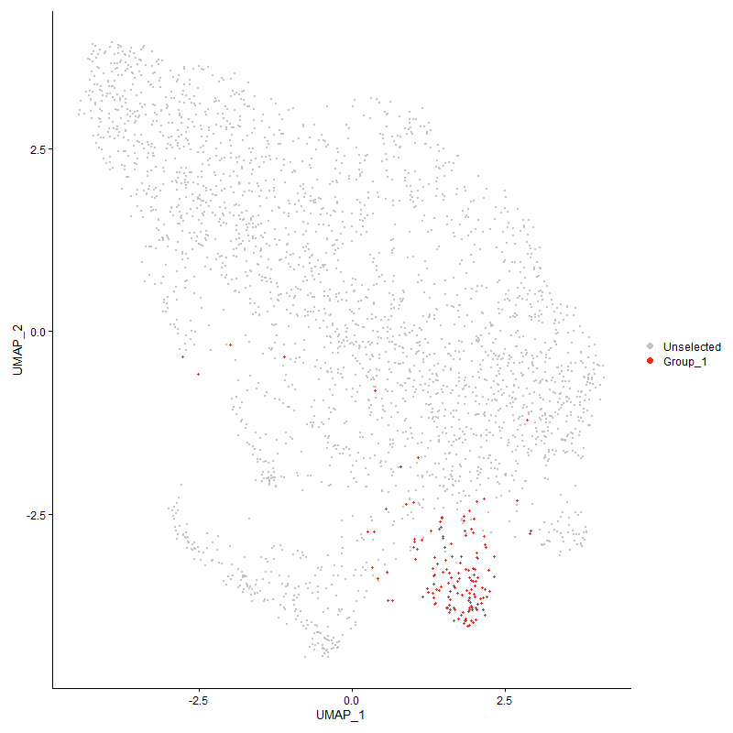
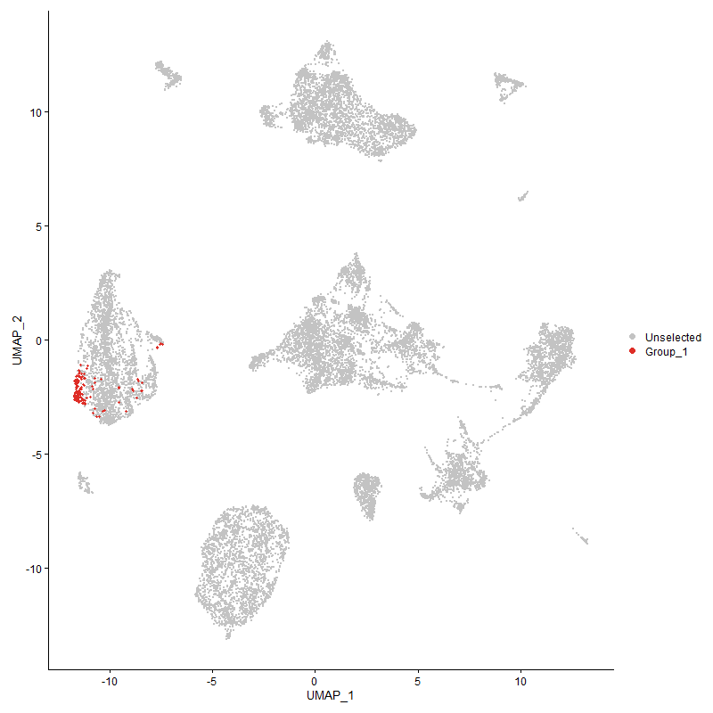
 | p_val | avg_log2FC | pct.1 | pct.2 | p_val_adj | cluster | gene
FHIT | 2.331781092E-127 | 2.2174093352 | 0.993 | 0.249 | 3.5608629055E-123 | 3 | FHIT
CMSS1 | 8.8188588408E-07 | 0.44103913469 | 0.437 | 0.262 | 0.013467279336 | 3 | CMSS1
MGMT | 4.0216099805E-06 | 0.42894424103 | 0.457 | 0.311 | 0.061414006013 | 3 | MGMT
AFF2 | 5.8515161664E-06 | 0.41511667615 | 0.914 | 0.854 | 0.089358503378 | 3 | AFF2
PLCL2 | 3.9292151167E-06 | 0.39660929119 | 0.636 | 0.49 | 0.060003044048 | 3 | PLCL2
CDK6 | 2.6926894293E-05 | 0.38440656121 | 0.503 | 0.355 | 0.41120060275 | 3 | CDK6
PTK2 | 0.00016917407518 | 0.38334902759 | 0.709 | 0.599 | 1 | 3 | PTK2
PSPC1 | 5.3779711211E-07 | 0.38097172285 | 0.755 | 0.585 | 0.008212699699 | 3 | PSPC1
VTI1A | 0.00061585933296 | 0.37737140475 | 0.536 | 0.444 | 1 | 3 | VTI1A
FAM107B | 0.001551571472 | 0.37286026358 | 0.828 | 0.776 | 1 | 3 | FAM107B
CWC27 | 0.0055629859554 | 0.36342162576 | 0.199 | 0.129 | 1 | 3 | CWC27
TRPS1 | 0.0029601231464 | 0.36051247491 | 0.735 | 0.698 | 1 | 3 | TRPS1
MED27 | 1.7607827307E-05 | 0.34580785712 | 0.371 | 0.225 | 0.2688891308 | 3 | MED27
COG5 | 0.0078412583172 | 0.34515012901 | 0.424 | 0.344 | 1 | 3 | COG5
ZNF423 | 0.0050153497936 | 0.34402034264 | 0.45 | 0.356 | 1 | 3 | ZNF423
CD441 | 5.7951456978E-05 | 0.3333849241 | 0.967 | 0.948 | 0.88497669951 | 3 | CD44
CHD7 | 6.3586625116E-06 | 0.33010479157 | 0.589 | 0.422 | 0.097103135215 | 3 | CHD7
THEMIS | 0.0026997581598 | 0.32705196459 | 0.437 | 0.333 | 1 | 3 | THEMIS
CHCHD3 | 0.0003985206619 | 0.32079983435 | 0.384 | 0.269 | 1 | 3 | CHCHD3
LOC121106461 | 1.8099219987E-05 | 0.31266496864 | 0.934 | 0.856 | 0.27639318842 | 3 | LOC121106461
TSPAN4 | 0.0001226605997 | 0.31012160947 | 0.795 | 0.683 | 1 | 3 | TSPAN4
LRBA1 | 0.001083624849 | 0.30550932668 | 0.861 | 0.829 | 1 | 3 | LRBA
FTO | 0.0007710789962 | 0.30027203865 | 0.238 | 0.144 | 1 | 3 | FTO
PPP3CA | 6.8997956003E-05 | 0.29906232437 | 0.901 | 0.817 | 1 | 3 | PPP3CA
LOC100858809 | 0.0062621554736 | 0.29885136395 | 0.325 | 0.244 | 1 | 3 | LOC100858809
STAG2 | 5.4239167759E-06 | 0.29482388249 | 0.715 | 0.545 | 0.082828633084 | 3 | STAG2
CCSER11 | 0.0014392042403 | 0.29047686875 | 0.788 | 0.716 | 1 | 3 | CCSER1
RAP1GDS1 | 0.00013978744136 | 0.28634144055 | 0.682 | 0.536 | 1 | 3 | RAP1GDS1
KCNQ51 | 0.00099282351163 | 0.28454064759 | 0.881 | 0.836 | 1 | 3 | KCNQ5
LOC121106455 | 0.0027755530074 | 0.28023211627 | 0.477 | 0.374 | 1 | 3 | LOC121106455
UST1 | 0.00011555308924 | 0.27961320726 | 0.947 | 0.899 | 1 | 3 | UST
MBP1 | 0.00039547663719 | 0.27672086733 | 0.881 | 0.838 | 1 | 3 | MBP
PPP1R12A1 | 1.7246823235E-05 | 0.2681320656 | 0.907 | 0.812 | 0.26337623762 | 3 | PPP1R12A
MAN1A1 | 0.00015598951222 | 0.26597839608 | 0.887 | 0.788 | 1 | 3 | MAN1A1
RPS6KA6 | 3.3823090633E-06 | 0.26591377196 | 0.417 | 0.248 | 0.051651241705 | 3 | RPS6KA6
SYNGAP1 | 0.0013040556456 | 0.2647793085 | 0.748 | 0.702 | 1 | 3 | SYNGAP1
TNRC6B | 0.0064014188539 | 0.2622748065 | 0.808 | 0.768 | 1 | 3 | TNRC6B
NCOA21 | 2.5950860982E-05 | 0.25779020306 | 0.914 | 0.81 | 0.39629559806 | 3 | NCOA2
CBLB1 | 0.0011637543891 | 0.25604264089 | 0.887 | 0.817 | 1 | 3 | CBLB
LOC100859467 | 0.0035511162137 | 0.2560343718 | 0.344 | 0.247 | 1 | 3 | LOC100859467
DENND1B | 3.156164082E-05 | 0.25573433574 | 0.868 | 0.776 | 0.48197781697 | 3 | DENND1B
MARCH81 | 0.00089407639183 | 0.25541673426 | 0.768 | 0.698 | 1 | 3 | MARCH8
ELMO11 | 1.0610263381E-07 | 0.25485404703 | 0.993 | 0.988 | 0.0016202933209 | 3 | ELMO1
SH3KBP11 | 6.4050862021E-06 | 0.25275907122 | 0.96 | 0.91 | 0.097812071393 | 3 | SH3KBP1

Cluster4
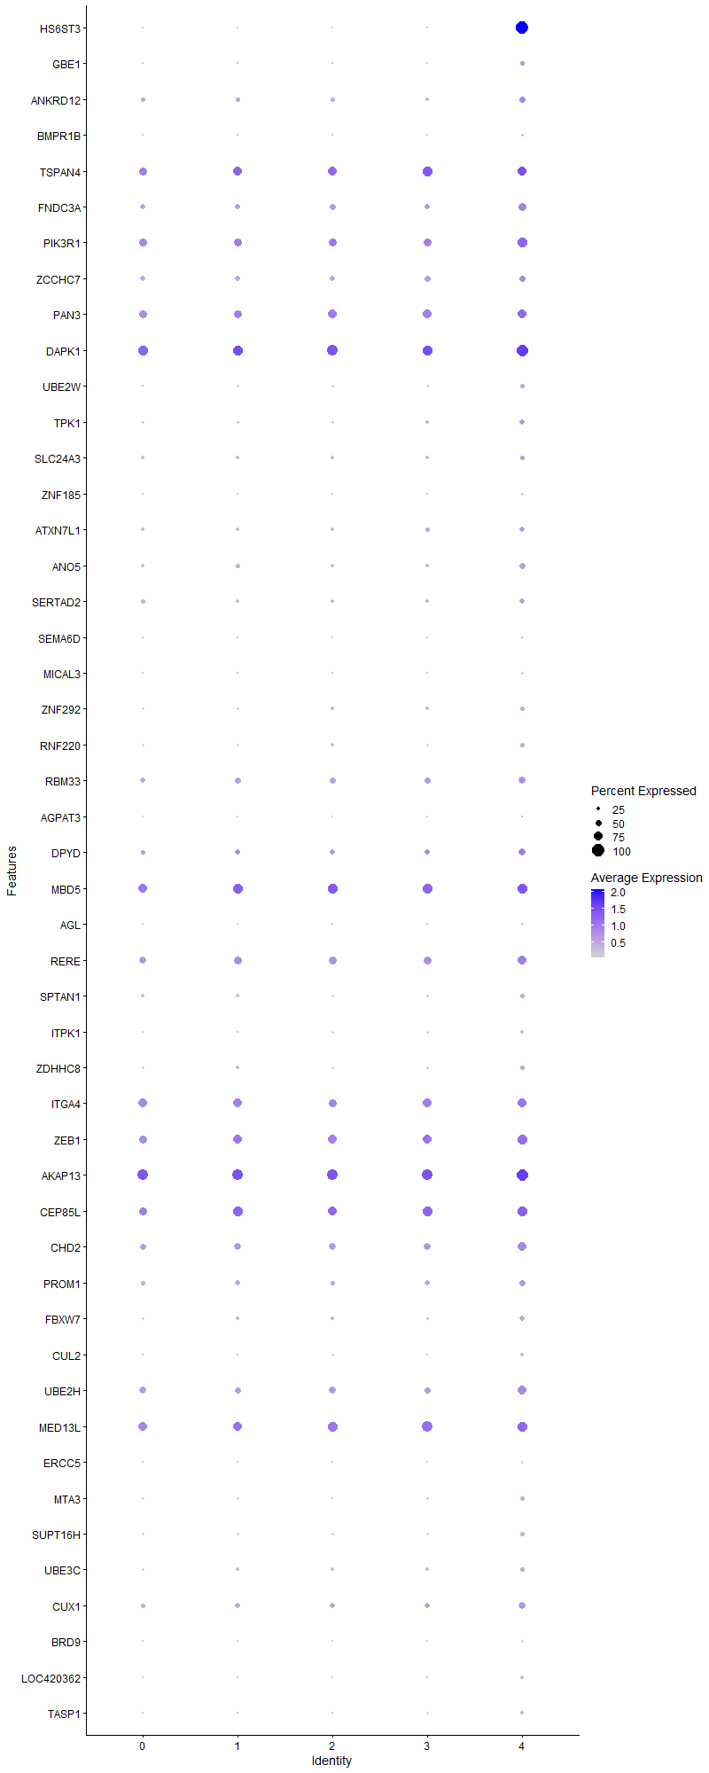
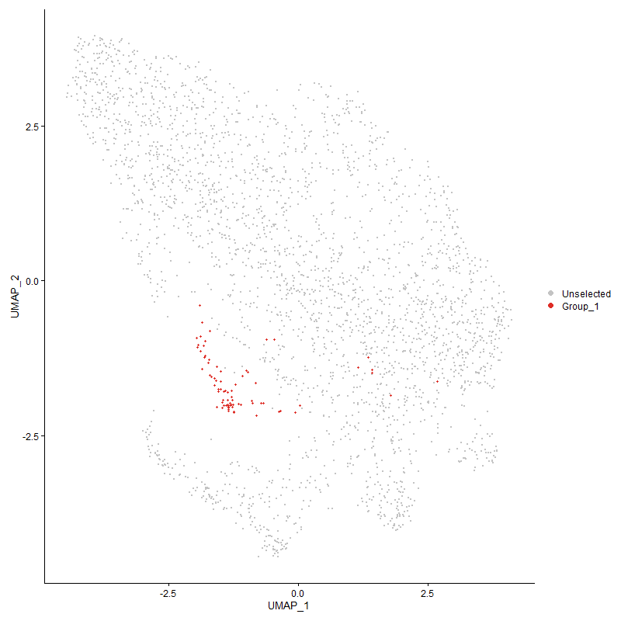
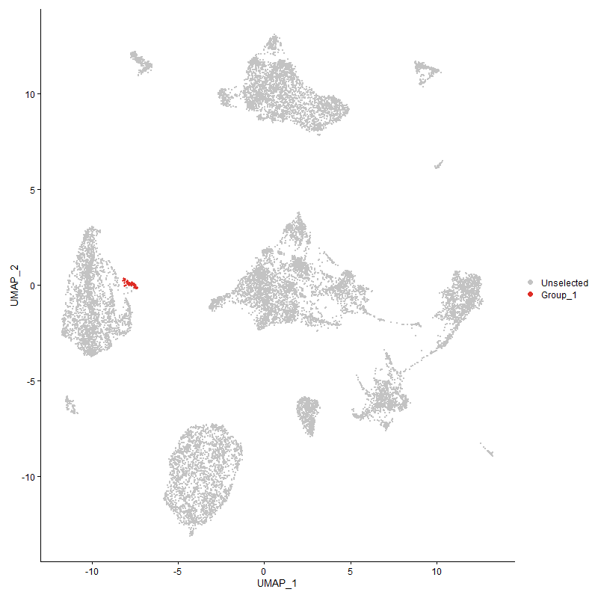
 | p_val | avg_log2FC | pct.1 | pct.2 | p_val_adj | cluster | gene
HS6ST3 | 1.6418801674E-244 | 2.8126227146 | 1 | 0.044 | 2.5073152036E-240 | 4 | HS6ST3
GBE1 | 2.6400059885E-08 | 0.56920357485 | 0.368 | 0.147 | 0.00040315531451 | 4 | GBE1
ANKRD12 | 0.0008359529071 | 0.55481240503 | 0.474 | 0.344 | 1 | 4 | ANKRD12
BMPR1B | 0.0012773776857 | 0.4378000206 | 0.211 | 0.101 | 1 | 4 | BMPR1B
TSPAN41 | 0.0011797298658 | 0.42821397177 | 0.763 | 0.687 | 1 | 4 | TSPAN4
FNDC3A | 1.6617896187E-05 | 0.41793453761 | 0.671 | 0.457 | 0.25377189268 | 4 | FNDC3A
PIK3R1 | 0.00024548423185 | 0.41547310501 | 0.803 | 0.649 | 1 | 4 | PIK3R1
ZCCHC7 | 0.0041051925545 | 0.41447732583 | 0.526 | 0.423 | 1 | 4 | ZCCHC7
PAN3 | 0.0038558836516 | 0.40613818253 | 0.724 | 0.667 | 1 | 4 | PAN3
DAPK1 | 0.00050639051871 | 0.3925342486 | 0.934 | 0.827 | 1 | 4 | DAPK1
UBE2W | 5.3369299337E-05 | 0.39147034067 | 0.355 | 0.188 | 0.81500257018 | 4 | UBE2W
TPK1 | 1.9193439089E-05 | 0.3879484269 | 0.447 | 0.241 | 0.29310300833 | 4 | TPK1
SLC24A3 | 0.0061098004362 | 0.3789656071 | 0.395 | 0.278 | 1 | 4 | SLC24A3
ZNF185 | 0.00064583126187 | 0.37405906872 | 0.197 | 0.091 | 1 | 4 | ZNF185
ATXN7L1 | 0.0024115767182 | 0.36855533697 | 0.447 | 0.303 | 1 | 4 | ATXN7L1
ANO5 | 0.00028878051004 | 0.34685081726 | 0.487 | 0.311 | 1 | 4 | ANO5
SERTAD2 | 0.0057611641753 | 0.34043808418 | 0.421 | 0.296 | 1 | 4 | SERTAD2
SEMA6D | 3.201497071E-05 | 0.33460026462 | 0.158 | 0.049 | 0.48890061771 | 4 | SEMA6D
MICAL3 | 0.0011199837792 | 0.32252913114 | 0.237 | 0.119 | 1 | 4 | MICAL3
ZNF292 | 0.0053336775773 | 0.32114157805 | 0.355 | 0.232 | 1 | 4 | ZNF292
RNF220 | 0.00044123969183 | 0.31965617238 | 0.355 | 0.204 | 1 | 4 | RNF220
RBM33 | 0.0010339804331 | 0.31587068632 | 0.618 | 0.468 | 1 | 4 | RBM33
AGPAT3 | 0.0010791988303 | 0.31008415339 | 0.145 | 0.059 | 1 | 4 | AGPAT3
DPYD | 0.0013449659317 | 0.30907280382 | 0.579 | 0.409 | 1 | 4 | DPYD
MBD5 | 0.006461269365 | 0.29383583435 | 0.842 | 0.763 | 1 | 4 | MBD5
AGL | 0.0026689521015 | 0.29226444214 | 0.211 | 0.109 | 1 | 4 | AGL
RERE | 0.0036724996449 | 0.29004032777 | 0.763 | 0.627 | 1 | 4 | RERE
SPTAN1 | 0.0010639064531 | 0.28990297141 | 0.395 | 0.246 | 1 | 4 | SPTAN1
ITPK1 | 0.0014522060361 | 0.28976903117 | 0.263 | 0.142 | 1 | 4 | ITPK1
ZDHHC8 | 0.0047761561219 | 0.28868364873 | 0.368 | 0.243 | 1 | 4 | ZDHHC8
ITGA4 | 0.0037974407205 | 0.28019339454 | 0.763 | 0.713 | 1 | 4 | ITGA4
ZEB1 | 0.00069960939876 | 0.27864402935 | 0.789 | 0.723 | 1 | 4 | ZEB1
AKAP13 | 0.0065202864487 | 0.27850672107 | 0.947 | 0.909 | 1 | 4 | AKAP13
CEP85L | 0.0088249891627 | 0.27690415993 | 0.803 | 0.746 | 1 | 4 | CEP85L
CHD2 | 0.0084338099068 | 0.27387925682 | 0.711 | 0.555 | 1 | 4 | CHD2
PROM1 | 0.0037729058332 | 0.27288414005 | 0.539 | 0.389 | 1 | 4 | PROM1
FBXW7 | 0.00036587120731 | 0.2716843106 | 0.421 | 0.234 | 1 | 4 | FBXW7
CUL2 | 0.0056778896808 | 0.26930880436 | 0.25 | 0.15 | 1 | 4 | CUL2
UBE2H | 0.00090747258936 | 0.26596787996 | 0.724 | 0.563 | 1 | 4 | UBE2H
MED13L | 0.0073984213063 | 0.26464879578 | 0.789 | 0.746 | 1 | 4 | MED13L
ERCC5 | 0.00010889541127 | 0.2639447497 | 0.211 | 0.088 | 1 | 4 | ERCC5
MTA3 | 0.0014514624921 | 0.26193236673 | 0.329 | 0.185 | 1 | 4 | MTA3
SUPT16H | 0.0026235075485 | 0.26112200326 | 0.342 | 0.21 | 1 | 4 | SUPT16H
UBE3C | 0.0043798459067 | 0.2604074466 | 0.382 | 0.245 | 1 | 4 | UBE3C
CUX1 | 0.0087139703871 | 0.26010035278 | 0.553 | 0.405 | 1 | 4 | CUX1
BRD9 | 0.0080309616414 | 0.25973423908 | 0.211 | 0.117 | 1 | 4 | BRD9
LOC420362 | 0.00058424189997 | 0.2572414496 | 0.263 | 0.132 | 1 | 4 | LOC420362
TASP1 | 0.0010593565799 | 0.25050478381 | 0.276 | 0.143 | 1 | 4 | TASP1

