Clustered cells
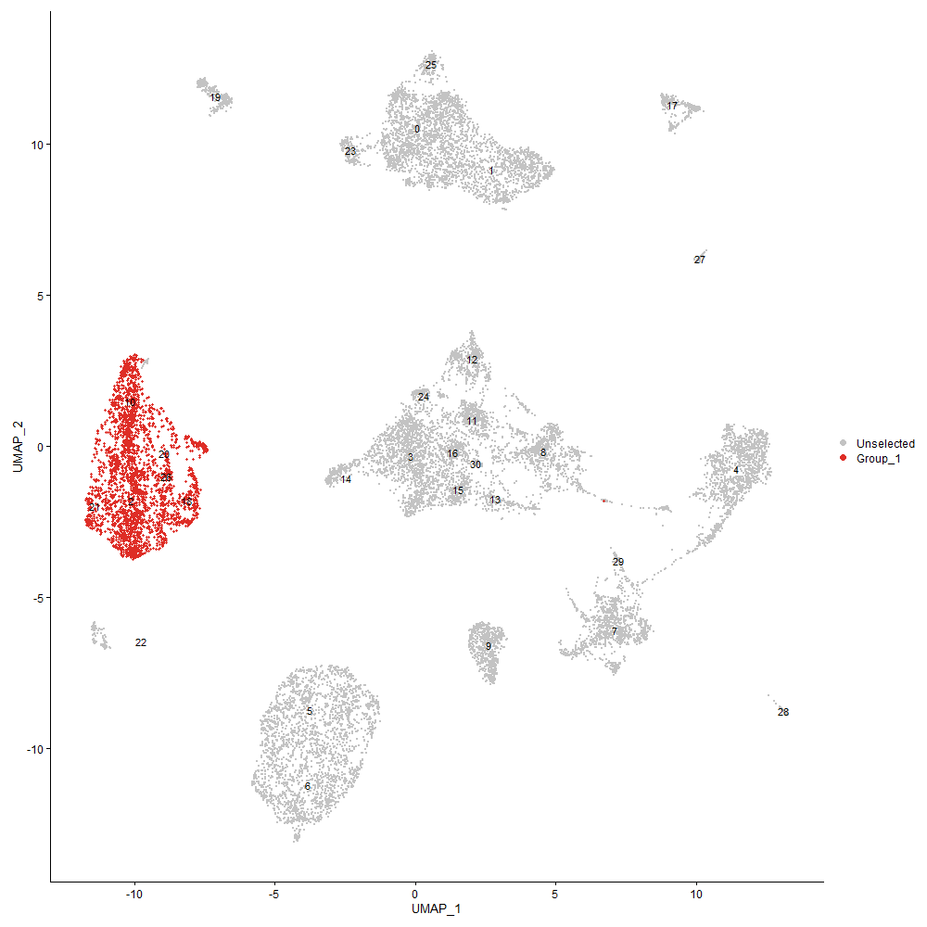
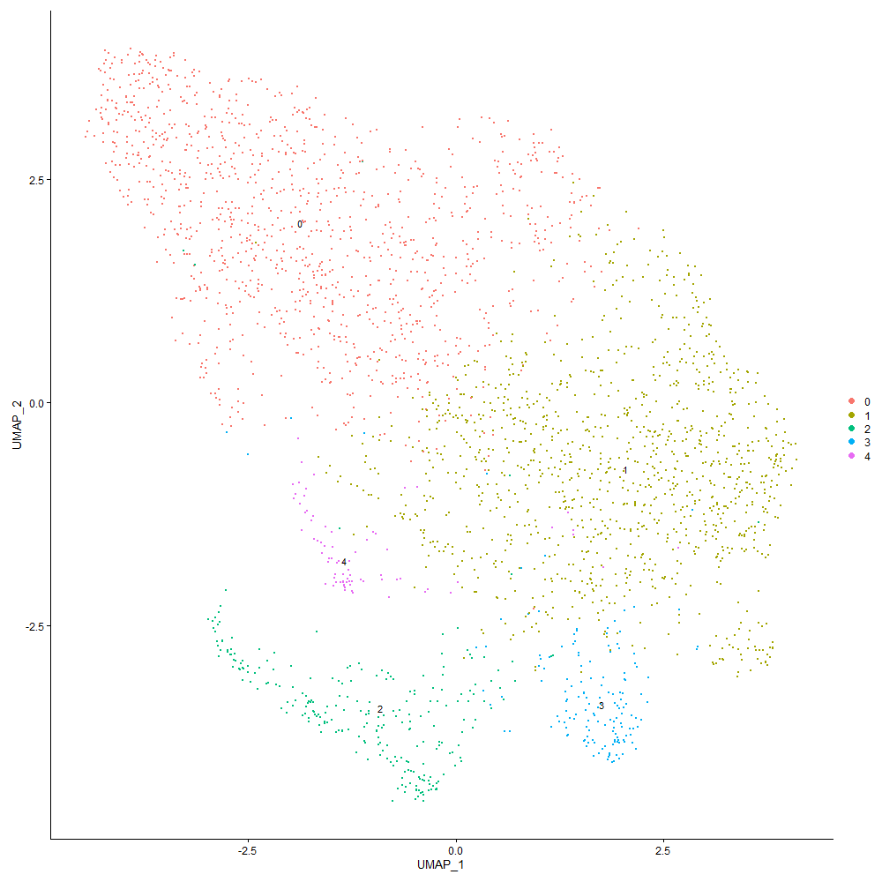
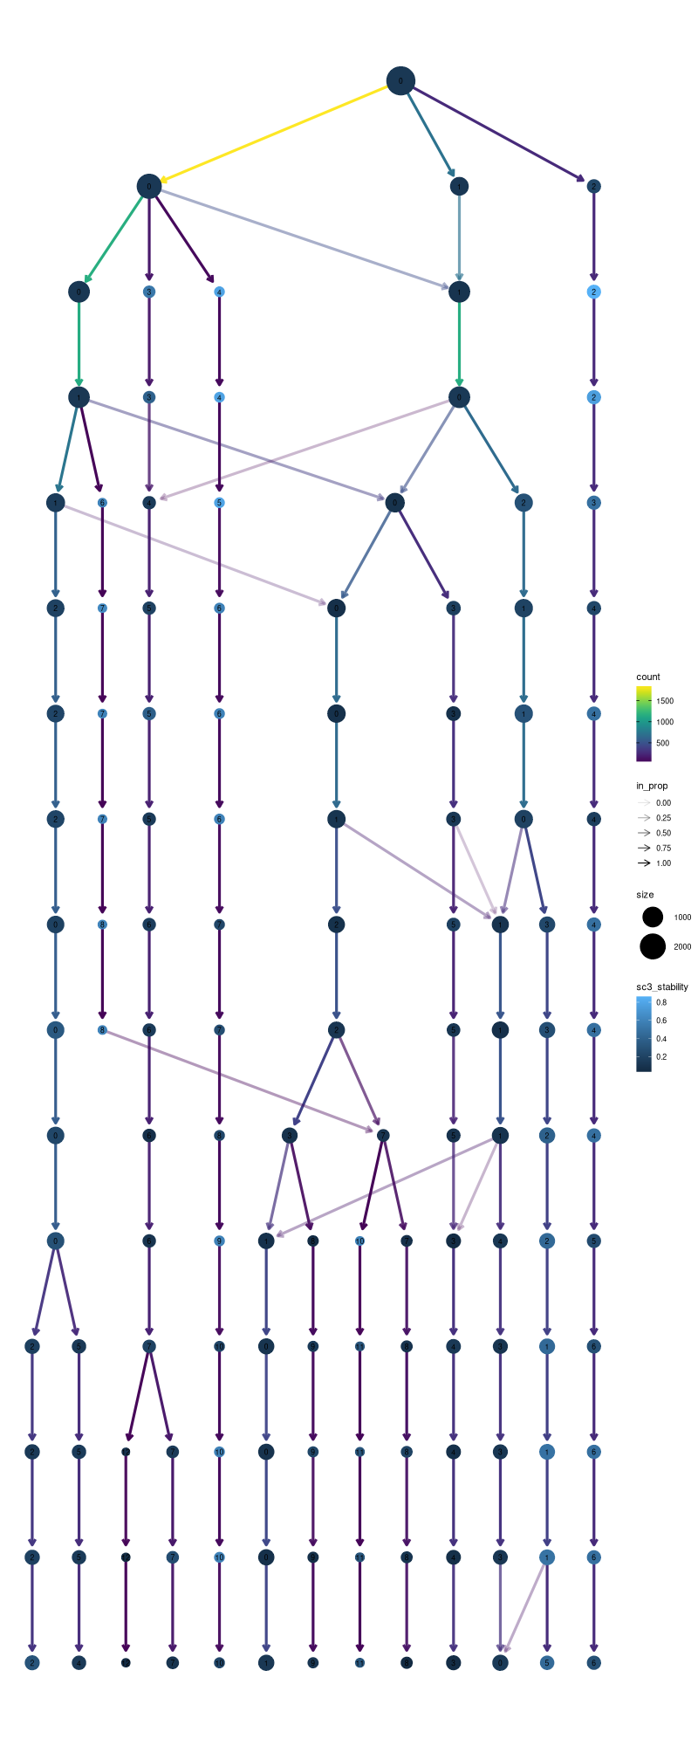

Cluster0
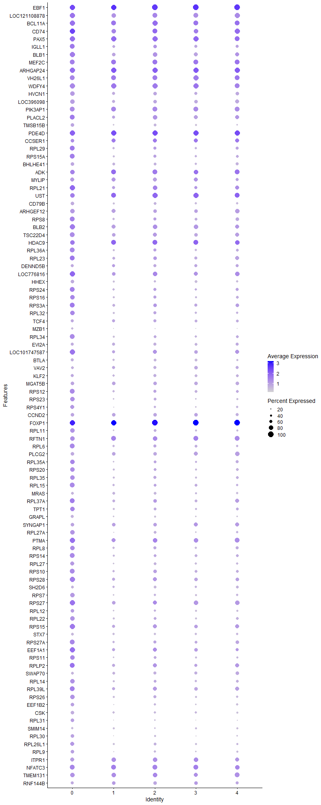
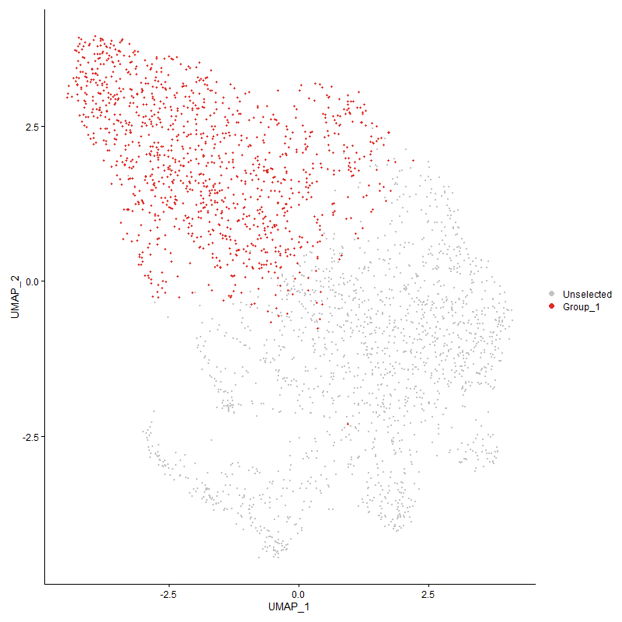
 | p_val | avg_log2FC | pct.1 | pct.2 | p_val_adj | cluster | gene
EBF1 | 0 | 2.0911391908 | 0.989 | 0.128 | 0 | 0 | EBF1
LOC121108878 | 0 | 2.0483914864 | 0.982 | 0.152 | 0 | 0 | LOC121108878
BCL11A | 0 | 1.944970123 | 0.961 | 0.123 | 0 | 0 | BCL11A
CD74 | 0 | 1.9341697893 | 0.987 | 0.332 | 0 | 0 | CD74
PAX5 | 0 | 1.8992501362 | 0.963 | 0.121 | 0 | 0 | PAX5
IGLL1 | 0 | 1.6978313313 | 0.927 | 0.112 | 0 | 0 | IGLL1
BLB1 | 0 | 1.5989957423 | 0.944 | 0.248 | 0 | 0 | BLB1
MEF2C | 0 | 1.5185025355 | 0.901 | 0.173 | 0 | 0 | MEF2C
ARHGAP24 | 0 | 1.4848711697 | 0.958 | 0.254 | 0 | 0 | ARHGAP24
VH26L1 | 0 | 1.4119382347 | 0.89 | 0.12 | 0 | 0 | VH26L1
WDFY4 | 0 | 1.4040300959 | 0.946 | 0.161 | 0 | 0 | WDFY4
HVCN1 | 0 | 1.312571953 | 0.807 | 0.127 | 0 | 0 | HVCN1
LOC396098 | 0 | 1.2440791687 | 0.809 | 0.088 | 0 | 0 | LOC396098
PIK3AP1 | 0 | 1.2146043779 | 0.886 | 0.28 | 0 | 0 | PIK3AP1
PLACL2 | 0 | 1.1832389854 | 0.92 | 0.492 | 0 | 0 | PLACL2
TMSB15B | 0 | 1.1752544762 | 0.698 | 0.082 | 0 | 0 | TMSB15B
PDE4D | 0 | 1.1561044363 | 0.954 | 0.483 | 0 | 0 | PDE4D
CCSER1 | 0 | 1.0866606444 | 0.687 | 0.205 | 0 | 0 | CCSER1
RPL29 | 2.8866731033E-261 | 1.0697557292 | 0.906 | 0.547 | 4.4082384961E-257 | 0 | RPL29
RPS15A | 4.7728718513E-258 | 1.0653676757 | 0.879 | 0.5 | 7.2886526041E-254 | 0 | RPS15A
BHLHE41 | 0 | 1.061412494 | 0.691 | 0.105 | 0 | 0 | BHLHE41
ADK | 8.7112639003E-261 | 1.0254410496 | 0.82 | 0.343 | 1.3302971102E-256 | 0 | ADK
MYLIP | 0 | 1.0251711826 | 0.754 | 0.276 | 0 | 0 | MYLIP
RPL21 | 4.6212019237E-267 | 1.0236220581 | 0.968 | 0.698 | 7.0570374577E-263 | 0 | RPL21
UST | 1.9690983484E-279 | 1.0201421563 | 0.864 | 0.361 | 3.0070100878E-275 | 0 | UST
CD79B | 0 | 1.0102790459 | 0.67 | 0.083 | 0 | 0 | CD79B
ARHGEF12 | 0 | 0.95705938261 | 0.834 | 0.269 | 0 | 0 | ARHGEF12
RPS8 | 5.4068910207E-213 | 0.94871570513 | 0.875 | 0.558 | 8.2568632778E-209 | 0 | RPS8
BLB2 | 0 | 0.94491522098 | 0.945 | 0.29 | 0 | 0 | BLB2
TSC22D4 | 1.6153211116E-232 | 0.9375520836 | 0.879 | 0.536 | 2.4667568696E-228 | 0 | TSC22D4
HDAC9 | 2.4994483176E-252 | 0.92824377151 | 0.864 | 0.356 | 3.8169075259E-248 | 0 | HDAC9
RPL36A | 6.8321443599E-239 | 0.92079501675 | 0.877 | 0.489 | 1.0433367652E-234 | 0 | RPL36A
RPL23 | 8.6193428022E-212 | 0.91120191971 | 0.921 | 0.63 | 1.3162598393E-207 | 0 | RPL23
DENND5B | 0 | 0.90825812934 | 0.642 | 0.088 | 0 | 0 | DENND5B
LOC776816 | 5.1649712255E-263 | 0.90425838981 | 0.984 | 0.77 | 7.8874275584E-259 | 0 | LOC776816
HHEX | 0 | 0.90134258293 | 0.673 | 0.171 | 0 | 0 | HHEX
RPS24 | 3.5060299803E-215 | 0.89369136294 | 0.913 | 0.583 | 5.3540583828E-211 | 0 | RPS24
RPS16 | 1.1242044758E-200 | 0.89179846043 | 0.848 | 0.509 | 1.716772655E-196 | 0 | RPS16
RPS3A | 1.4724020641E-222 | 0.88715176517 | 0.929 | 0.623 | 2.2485051921E-218 | 0 | RPS3A
RPL32 | 2.8124851397E-201 | 0.87764797295 | 0.861 | 0.518 | 4.2949460569E-197 | 0 | RPL32
TCF4 | 0 | 0.85434861694 | 0.621 | 0.16 | 0 | 0 | TCF4
MZB1 | 0 | 0.85049954079 | 0.514 | 0.033 | 0 | 0 | MZB1
RPL34 | 1.50241023E-206 | 0.8470062705 | 0.867 | 0.509 | 2.2943306622E-202 | 0 | RPL34
EVI2A | 0 | 0.84659051967 | 0.644 | 0.156 | 0 | 0 | EVI2A
LOC101747587 | 1.0313051185E-225 | 0.84418150982 | 0.954 | 0.682 | 1.5749060465E-221 | 0 | LOC101747587
BTLA | 0 | 0.84240865078 | 0.641 | 0.138 | 0 | 0 | BTLA
VAV2 | 0 | 0.84016235439 | 0.594 | 0.094 | 0 | 0 | VAV2
KLF2 | 3.1051625402E-239 | 0.8331863971 | 0.662 | 0.258 | 4.7418937152E-235 | 0 | KLF2
MGAT5B | 1.7883717333E-290 | 0.83266715497 | 0.734 | 0.272 | 2.731022474E-286 | 0 | MGAT5B
RPS12 | 9.8567357683E-196 | 0.8278339842 | 0.875 | 0.55 | 1.5052221192E-191 | 0 | RPS12
RPS23 | 1.3976570698E-194 | 0.825374628 | 0.834 | 0.479 | 2.1343621112E-190 | 0 | RPS23
RPS4Y1 | 1.0036149849E-203 | 0.82485598748 | 0.786 | 0.411 | 1.5326204434E-199 | 0 | RPS4Y1
CCND2 | 5.0791206413E-253 | 0.81802641544 | 0.708 | 0.277 | 7.7563251314E-249 | 0 | CCND2
FOXP1 | 1.3326913653E-257 | 0.81780880975 | 0.999 | 0.974 | 2.035152984E-253 | 0 | FOXP1
RPL11 | 1.0856977925E-195 | 0.81574479454 | 0.803 | 0.432 | 1.657969099E-191 | 0 | RPL11
RFTN1 | 1.3770157309E-223 | 0.81503040321 | 0.86 | 0.431 | 2.1028407227E-219 | 0 | RFTN1
RPL6 | 2.103124254E-178 | 0.81501395544 | 0.868 | 0.572 | 3.2116810482E-174 | 0 | RPL6
PLCG2 | 0 | 0.81359151701 | 0.688 | 0.184 | 0 | 0 | PLCG2
RPL35A | 7.5318435846E-183 | 0.81181061648 | 0.865 | 0.541 | 1.1501878338E-178 | 0 | RPL35A
RPS20 | 1.2897190408E-182 | 0.7999336677 | 0.844 | 0.506 | 1.9695299473E-178 | 0 | RPS20
RPL35 | 8.1727841079E-194 | 0.79789152747 | 0.854 | 0.501 | 1.2480658611E-189 | 0 | RPL35
RPL15 | 1.8332624565E-199 | 0.79585815368 | 0.901 | 0.567 | 2.7995750974E-195 | 0 | RPL15
MRAS | 0 | 0.79302822366 | 0.594 | 0.102 | 0 | 0 | MRAS
RPL37A | 3.7625018049E-179 | 0.79008636567 | 0.915 | 0.625 | 5.7457165062E-175 | 0 | RPL37A
TPT1 | 3.3279793278E-157 | 0.78555550357 | 0.859 | 0.548 | 5.0821572315E-153 | 0 | TPT1
GRAPL | 0 | 0.78185893093 | 0.647 | 0.154 | 0 | 0 | GRAPL
SYNGAP1 | 2.5154708497E-226 | 0.77758657727 | 0.703 | 0.284 | 3.8413755346E-222 | 0 | SYNGAP1
RPL27A | 5.796894893E-187 | 0.77558073444 | 0.808 | 0.424 | 8.852438191E-183 | 0 | RPL27A
PTMA | 8.2868340413E-191 | 0.76542509392 | 0.961 | 0.778 | 1.2654824264E-186 | 0 | PTMA
RPL8 | 1.9412434032E-162 | 0.76153026687 | 0.839 | 0.554 | 2.964472801E-158 | 0 | RPL8
RPS14 | 5.0835779269E-182 | 0.75985374278 | 0.887 | 0.564 | 7.7631318522E-178 | 0 | RPS14
RPL27 | 9.6747948086E-174 | 0.75472411317 | 0.795 | 0.441 | 1.4774379152E-169 | 0 | RPL27
RPS10 | 2.8294920685E-178 | 0.74943022938 | 0.891 | 0.589 | 4.3209173378E-174 | 0 | RPS10
RPS28 | 4.2364801536E-199 | 0.74624580689 | 0.954 | 0.677 | 6.4695288426E-195 | 0 | RPS28
SH2D6 | 0 | 0.74390438692 | 0.577 | 0.124 | 0 | 0 | SH2D6
RPS7 | 9.532889066E-186 | 0.73767227044 | 0.82 | 0.463 | 1.4557674893E-181 | 0 | RPS7
RPS27 | 5.3814893813E-178 | 0.73423701152 | 0.952 | 0.734 | 8.2180724342E-174 | 0 | RPS27
RPL12 | 2.9269485882E-144 | 0.7326951272 | 0.722 | 0.404 | 4.469743189E-140 | 0 | RPL12
RPL22 | 1.0910975013E-164 | 0.73231198382 | 0.827 | 0.497 | 1.6662149942E-160 | 0 | RPL22
RPS15 | 1.1106723583E-173 | 0.72976230566 | 0.938 | 0.69 | 1.6961077583E-169 | 0 | RPS15
STX7 | 0 | 0.72860501535 | 0.548 | 0.089 | 0 | 0 | STX7
RPS27A | 6.7954278211E-171 | 0.72837054819 | 0.897 | 0.596 | 1.0377297826E-166 | 0 | RPS27A
EEF1A1 | 9.0055475471E-153 | 0.72235196478 | 0.936 | 0.749 | 1.3752371659E-148 | 0 | EEF1A1
RPS11 | 2.2957139429E-154 | 0.72188366323 | 0.857 | 0.54 | 3.5057847623E-150 | 0 | RPS11
RPLP2 | 1.0201270487E-152 | 0.72181216679 | 0.919 | 0.694 | 1.557836016E-148 | 0 | RPLP2
SWAP70 | 0 | 0.71516862031 | 0.589 | 0.142 | 0 | 0 | SWAP70
RPL14 | 8.4985059561E-163 | 0.71410111584 | 0.819 | 0.489 | 1.2978068446E-158 | 0 | RPL14
RPL39L | 2.4696774423E-162 | 0.70899367755 | 0.929 | 0.665 | 3.7714444221E-158 | 0 | RPL39L
RPS26 | 1.9882667039E-169 | 0.70700039406 | 0.844 | 0.509 | 3.0362820836E-165 | 0 | RPS26
EEF1B2 | 1.128066549E-153 | 0.70137241893 | 0.723 | 0.381 | 1.722670427E-149 | 0 | EEF1B2
CSK | 7.4378914588E-224 | 0.70026548153 | 0.674 | 0.273 | 1.1358404047E-219 | 0 | CSK
RPL31 | 3.2909570303E-161 | 0.69917255962 | 0.719 | 0.359 | 5.025620481E-157 | 0 | RPL31
SMIM14 | 0 | 0.68602676453 | 0.509 | 0.097 | 0 | 0 | SMIM14
RPL30 | 1.4837466683E-157 | 0.6823292891 | 0.719 | 0.371 | 2.2658295372E-153 | 0 | RPL30
RPL26L1 | 7.8959746165E-153 | 0.67989247416 | 0.798 | 0.467 | 1.2057942837E-148 | 0 | RPL26L1
RPL9 | 4.4259672467E-150 | 0.67822452798 | 0.715 | 0.383 | 6.7588945825E-146 | 0 | RPL9
ITPR1 | 4.1790676678E-186 | 0.67776962251 | 0.756 | 0.34 | 6.3818542355E-182 | 0 | ITPR1
NFATC3 | 6.3110667359E-122 | 0.6754600211 | 0.886 | 0.671 | 9.6376300124E-118 | 0 | NFATC3
TMEM131 | 1.8483266996E-168 | 0.67475141195 | 0.859 | 0.505 | 2.822579703E-164 | 0 | TMEM131
RNF144B | 6.4093856262E-178 | 0.67350380858 | 0.619 | 0.25 | 9.7877727898E-174 | 0 | RNF144B
RPS25 | 7.2437555081E-151 | 0.67287960863 | 0.765 | 0.429 | 1.1061939036E-146 | 0 | RPS25
LOC419333 | 0 | 0.67258281948 | 0.509 | 0.072 | 0 | 0 | LOC419333
CIITA | 0 | 0.66535937147 | 0.48 | 0.064 | 0 | 0 | CIITA
DAPP1 | 9.5635895106E-247 | 0.65441607959 | 0.539 | 0.155 | 1.4604557542E-242 | 0 | DAPP1
MLLT1 | 0 | 0.64601447752 | 0.497 | 0.101 | 0 | 0 | MLLT1
RASGRP3 | 0 | 0.64420191707 | 0.474 | 0.076 | 0 | 0 | RASGRP3
RPL13 | 2.0347263857E-137 | 0.64390054414 | 0.903 | 0.645 | 3.1072306636E-133 | 0 | RPL13
PTK2 | 1.495313899E-236 | 0.6435485157 | 0.539 | 0.153 | 2.2834938552E-232 | 0 | PTK2
RPL5 | 3.628944058E-133 | 0.64159648057 | 0.748 | 0.452 | 5.5417604709E-129 | 0 | RPL5
LOC101749503 | 6.0080659436E-219 | 0.63830483296 | 0.269 | 0.043 | 9.1749175025E-215 | 0 | LOC101749503
DMXL1 | 1.1003551406E-166 | 0.62937027635 | 0.68 | 0.307 | 1.6803523352E-162 | 0 | DMXL1
RPL17 | 2.3222175558E-147 | 0.62806340716 | 0.72 | 0.391 | 3.5462584295E-143 | 0 | RPL17
SEPTIN9 | 1.0540848342E-170 | 0.62439649104 | 0.695 | 0.33 | 1.6096929503E-166 | 0 | SEPTIN9
RPLP1 | 2.6907560455E-133 | 0.62398814203 | 0.913 | 0.67 | 4.109053557E-129 | 0 | RPLP1
RPL4 | 5.977204945E-136 | 0.6232034037 | 0.882 | 0.598 | 9.1277896715E-132 | 0 | RPL4
LOC107049666 | 1.3811063856E-148 | 0.6180710064 | 0.686 | 0.347 | 2.1090875614E-144 | 0 | LOC107049666
VAV3 | 1.9015949833E-144 | 0.61724052619 | 0.991 | 0.841 | 2.9039256989E-140 | 0 | VAV3
RPL37 | 8.9085425221E-119 | 0.61636626904 | 0.763 | 0.469 | 1.3604235285E-114 | 0 | RPL37
SPATS2L | 0 | 0.61306647051 | 0.477 | 0.087 | 0 | 0 | SPATS2L
RAB39B | 3.0359644634E-241 | 0.61088935496 | 0.515 | 0.146 | 4.6362213321E-237 | 0 | RAB39B
RPL7 | 7.46043445E-113 | 0.61014181725 | 0.744 | 0.46 | 1.1392829449E-108 | 0 | RPL7
ZNF608 | 2.9140714229E-295 | 0.60716742701 | 0.411 | 0.077 | 4.4500784699E-291 | 0 | ZNF608
LYN | 2.6402853145E-217 | 0.60709218829 | 0.859 | 0.316 | 4.0319797037E-213 | 0 | LYN
ABCC1 | 7.6734257958E-131 | 0.60497711797 | 0.762 | 0.446 | 1.1718088533E-126 | 0 | ABCC1
RPS17 | 3.653451159E-116 | 0.60212284128 | 0.88 | 0.634 | 5.5791852649E-112 | 0 | RPS17
RPL24 | 1.5829489083E-117 | 0.59885212219 | 0.801 | 0.525 | 2.4173212778E-113 | 0 | RPL24
MBD5 | 3.9226340175E-101 | 0.59815480733 | 0.727 | 0.435 | 5.9902544082E-97 | 0 | MBD5
PPP3CA | 1.7608155509E-117 | 0.59731340662 | 0.789 | 0.459 | 2.6889414278E-113 | 0 | PPP3CA
PLEKHO1 | 2.4861188826E-302 | 0.59626074094 | 0.434 | 0.087 | 3.7965521456E-298 | 0 | PLEKHO1
RPSAP58 | 5.620291337E-117 | 0.59067568602 | 0.809 | 0.526 | 8.5827469007E-113 | 0 | RPSAP58
RPL23A | 6.2717916246E-128 | 0.58988401883 | 0.791 | 0.486 | 9.5776529899E-124 | 0 | RPL23A
RPL7A | 5.1284275051E-121 | 0.58938088886 | 0.725 | 0.43 | 7.8316216431E-117 | 0 | RPL7A
ITGB1BP3 | 1.8093524221E-116 | 0.58767739338 | 0.736 | 0.431 | 2.7630620837E-112 | 0 | ITGB1BP3
RPS3 | 2.6138467809E-119 | 0.58344794661 | 0.808 | 0.52 | 3.9916054191E-115 | 0 | RPS3
RPS6 | 5.7038632028E-122 | 0.58188284195 | 0.721 | 0.407 | 8.710369497E-118 | 0 | RPS6
DOK1 | 5.4298015009E-239 | 0.57030693371 | 0.459 | 0.117 | 8.291849872E-235 | 0 | DOK1
RPS21 | 4.7804982779E-114 | 0.55916721776 | 0.722 | 0.428 | 7.3002989202E-110 | 0 | RPS21
PTPRJ | 8.809596784E-173 | 0.55770264566 | 0.505 | 0.167 | 1.3453135249E-168 | 0 | PTPRJ
MAGI1 | 3.3485453047E-110 | 0.5570576309 | 0.453 | 0.181 | 5.1135635349E-106 | 0 | MAGI1
CCDC50 | 3.0433161335E-294 | 0.55691816248 | 0.427 | 0.085 | 4.6474480674E-290 | 0 | CCDC50
ZC3H12C | 4.5947630706E-271 | 0.55376645662 | 0.421 | 0.087 | 7.0166626851E-267 | 0 | ZC3H12C
CD81 | 1.6035295189E-159 | 0.5534683439 | 0.595 | 0.239 | 2.4487499283E-155 | 0 | CD81
LOC107056413 | 1.1246673059E-124 | 0.55089271077 | 0.729 | 0.394 | 1.7174794428E-120 | 0 | LOC107056413
WIPF1 | 2.7720493514E-126 | 0.54828695218 | 0.723 | 0.403 | 4.2331965645E-122 | 0 | WIPF1
RPL19 | 1.4859141911E-107 | 0.54581365568 | 0.777 | 0.478 | 2.2691395613E-103 | 0 | RPL19
RPL3 | 1.5202786921E-117 | 0.54045749742 | 0.694 | 0.389 | 2.3216175907E-113 | 0 | RPL3
HMGN4 | 3.3229299386E-154 | 0.53788377723 | 0.527 | 0.206 | 5.0744463093E-150 | 0 | HMGN4
CD83 | 7.4181289268E-157 | 0.53412818599 | 0.564 | 0.212 | 1.1328224684E-152 | 0 | CD83
PIK3CB | 2.0580711358E-107 | 0.53336670691 | 0.617 | 0.312 | 3.1428804315E-103 | 0 | PIK3CB
ERO1B | 8.4426571918E-116 | 0.53322857239 | 0.543 | 0.248 | 1.2892781798E-111 | 0 | ERO1B
TNFRSF13C | 0 | 0.52945803241 | 0.357 | 0.023 | 0 | 0 | TNFRSF13C
RPS13 | 7.2384681023E-108 | 0.52108936466 | 0.615 | 0.324 | 1.1053864639E-103 | 0 | RPS13
CXCR4 | 2.3188526702E-143 | 0.52103860943 | 0.499 | 0.195 | 3.5411199126E-139 | 0 | CXCR4
RPL38 | 9.7352524735E-102 | 0.51848279439 | 0.714 | 0.427 | 1.4866704052E-97 | 0 | RPL38
SP4 | 6.9249977357E-117 | 0.51190205437 | 0.547 | 0.252 | 1.0575164042E-112 | 0 | SP4
PROM1 | 5.0675036365E-198 | 0.5101551549 | 0.343 | 0.078 | 7.7385848034E-194 | 0 | PROM1
GNS | 3.0710854703E-129 | 0.50786913313 | 0.534 | 0.235 | 4.6898546217E-125 | 0 | GNS
FAM107B | 8.2040161873E-66 | 0.50274321785 | 0.756 | 0.547 | 1.252835312E-61 | 0 | FAM107B
UBA52 | 2.46970569E-89 | 0.50105344168 | 0.708 | 0.439 | 3.7714875592E-85 | 0 | UBA52
EXOC6 | 3.4050224015E-105 | 0.49979199752 | 0.621 | 0.316 | 5.1998097093E-101 | 0 | EXOC6
DMA | 4.3913664837E-205 | 0.49234499983 | 0.481 | 0.138 | 6.7060557572E-201 | 0 | DMA
RACK1 | 4.7860692648E-95 | 0.48772707834 | 0.788 | 0.498 | 7.3088063743E-91 | 0 | RACK1
RPS2 | 1.9078957416E-98 | 0.48660196101 | 0.746 | 0.46 | 2.913547587E-94 | 0 | RPS2
RPL10A | 6.356021478E-93 | 0.48549636224 | 0.685 | 0.401 | 9.7062803991E-89 | 0 | RPL10A
BCL7A | 3.6227757889E-158 | 0.48150653873 | 0.423 | 0.134 | 5.5323409072E-154 | 0 | BCL7A
AMD1 | 1.5004919969E-145 | 0.47768204422 | 0.455 | 0.163 | 2.2914013285E-141 | 0 | AMD1
STK17B | 1.4185208655E-79 | 0.47637362352 | 0.693 | 0.431 | 2.1662232136E-75 | 0 | STK17B
CYBA | 3.3786505745E-109 | 0.47611183945 | 0.585 | 0.295 | 5.1595372923E-105 | 0 | CYBA
RERE | 9.8518092105E-99 | 0.4750437759 | 0.631 | 0.34 | 1.5044697845E-94 | 0 | RERE
RPL36 | 2.9394499591E-83 | 0.47006514713 | 0.642 | 0.385 | 4.4888340326E-79 | 0 | RPL36
EEF2 | 1.0625294746E-83 | 0.46805299196 | 0.721 | 0.448 | 1.6225887607E-79 | 0 | EEF2
NME2 | 4.9522871746E-102 | 0.4640003968 | 0.627 | 0.333 | 7.5626377444E-98 | 0 | NME2
LRP8 | 2.0031479163E-191 | 0.46382665066 | 0.303 | 0.062 | 3.059007183E-187 | 0 | LRP8
NPM1 | 1.0133603781E-83 | 0.46337637298 | 0.686 | 0.422 | 1.5475026333E-79 | 0 | NPM1
SNX25 | 1.7345989452E-93 | 0.46304955104 | 0.561 | 0.28 | 2.6489060493E-89 | 0 | SNX25
PXYLP1 | 1.0986543497E-111 | 0.46251862771 | 0.393 | 0.146 | 1.6777550575E-107 | 0 | PXYLP1
KLHL29 | 6.0370241857E-140 | 0.46196014912 | 0.284 | 0.069 | 9.219139634E-136 | 0 | KLHL29
CTBP2 | 5.9370912327E-163 | 0.46004731694 | 0.279 | 0.06 | 9.0665320215E-159 | 0 | CTBP2
CARHSP1 | 5.5687361391E-131 | 0.45958894357 | 0.454 | 0.173 | 8.5040169581E-127 | 0 | CARHSP1
PAG1 | 3.1248685511E-102 | 0.45780675921 | 0.833 | 0.487 | 4.7719867643E-98 | 0 | PAG1
PCASP2 | 7.4138257884E-199 | 0.45408475698 | 0.413 | 0.109 | 1.1321653361E-194 | 0 | PCASP2
PRKCB | 5.1190911844E-120 | 0.45390625136 | 0.506 | 0.211 | 7.8173641478E-116 | 0 | PRKCB
BCL2 | 6.4086392404E-117 | 0.45296636695 | 0.768 | 0.396 | 9.786632984E-113 | 0 | BCL2
MARCH8 | 2.3343563144E-74 | 0.44762225137 | 0.671 | 0.394 | 3.5647955277E-70 | 0 | MARCH8
BCR | 1.4393980127E-120 | 0.44664016068 | 0.584 | 0.259 | 2.1981047052E-116 | 0 | BCR
C4H4ORF32 | 4.3604987355E-158 | 0.44620686625 | 0.397 | 0.121 | 6.6589176189E-154 | 0 | C4H4ORF32
SELENOP1 | 4.8465678717E-122 | 0.44020454078 | 0.591 | 0.26 | 7.4011937969E-118 | 0 | SELENOP1
PABPC1 | 6.5018817313E-70 | 0.43869291371 | 0.85 | 0.663 | 9.9290235919E-66 | 0 | PABPC1
RHOH | 6.2055399214E-84 | 0.43726091048 | 0.547 | 0.292 | 9.476480014E-80 | 0 | RHOH
SLC4A7 | 5.0575657539E-74 | 0.43695871498 | 0.709 | 0.451 | 7.7234086628E-70 | 0 | SLC4A7
GRAMD4 | 1.7115167251E-158 | 0.43570140861 | 0.412 | 0.126 | 2.6136571908E-154 | 0 | GRAMD4
MBOAT2 | 2.8107524821E-256 | 0.43522133129 | 0.299 | 0.046 | 4.2923001155E-252 | 0 | MBOAT2
RPLP0 | 4.2667918181E-75 | 0.43457590754 | 0.82 | 0.587 | 6.5158177854E-71 | 0 | RPLP0
EBAG9 | 2.7286951387E-112 | 0.43210009522 | 0.495 | 0.215 | 4.1669903463E-108 | 0 | EBAG9
PDE7A | 4.5177532184E-79 | 0.42910903318 | 0.516 | 0.265 | 6.8990609398E-75 | 0 | PDE7A
LOC112531880 | 7.5383640928E-228 | 0.42830811018 | 0.372 | 0.08 | 1.1511835806E-223 | 0 | LOC112531880
YBX1 | 2.3259145128E-69 | 0.42699016145 | 0.598 | 0.365 | 3.5519040526E-65 | 0 | YBX1
HMGCS1 | 5.1264720244E-92 | 0.42539288884 | 0.464 | 0.208 | 7.8286354284E-88 | 0 | HMGCS1
EEF1D | 2.5623255777E-79 | 0.42453505274 | 0.619 | 0.361 | 3.9129273896E-75 | 0 | EEF1D
PLD4 | 0 | 0.42219318935 | 0.326 | 0.032 | 0 | 0 | PLD4
SPRED2 | 4.4385857013E-98 | 0.42144571295 | 0.365 | 0.138 | 6.7781642245E-94 | 0 | SPRED2
LAMC1 | 3.071192608E-146 | 0.42098034769 | 0.416 | 0.134 | 4.6900182317E-142 | 0 | LAMC1
ERCC6 | 8.0327346671E-86 | 0.4184288427 | 0.426 | 0.19 | 1.226678911E-81 | 0 | ERCC6
ZNF423 | 1.5697976827E-116 | 0.4165503573 | 0.355 | 0.117 | 2.3972380413E-112 | 0 | ZNF423
RCSD1 | 4.9863569614E-60 | 0.41619075617 | 0.594 | 0.368 | 7.6146657158E-56 | 0 | RCSD1
ARHGAP12 | 1.0476942975E-96 | 0.41599317006 | 0.486 | 0.217 | 1.5999339617E-92 | 0 | ARHGAP12
PDCD4 | 1.8204013207E-119 | 0.41079581941 | 0.424 | 0.162 | 2.7799348568E-115 | 0 | PDCD4
SYK | 1.474961321E-163 | 0.41049015957 | 0.356 | 0.094 | 2.2524134333E-159 | 0 | SYK
TRAF3 | 1.5226265415E-60 | 0.41031667465 | 0.778 | 0.558 | 2.3252029915E-56 | 0 | TRAF3
IKZF3 | 3.4091342007E-82 | 0.41018514177 | 0.556 | 0.296 | 5.2060888379E-78 | 0 | IKZF3
EPS15 | 3.76401058E-104 | 0.40902051284 | 0.469 | 0.202 | 5.7480205568E-100 | 0 | EPS15
MARCH1 | 2.9332914912E-67 | 0.40810802483 | 0.323 | 0.136 | 4.4794294362E-63 | 0 | MARCH1
JADE3 | 2.8492686005E-108 | 0.40713070596 | 0.467 | 0.192 | 4.3511180798E-104 | 0 | JADE3
RASAL1 | 0 | 0.40634447449 | 0.286 | 0.033 | 0 | 0 | RASAL1
ARL1 | 1.1997048666E-135 | 0.4002551127 | 0.379 | 0.122 | 1.8320693017E-131 | 0 | ARL1
JAK1 | 1.0495860754E-57 | 0.4002403196 | 0.811 | 0.635 | 1.6028228957E-53 | 0 | JAK1
NEDD9 | 7.9084808835E-50 | 0.39930183036 | 0.693 | 0.488 | 1.2077041157E-45 | 0 | NEDD9
HIVEP2 | 5.3308978288E-55 | 0.39623185486 | 0.869 | 0.711 | 8.1408140744E-51 | 0 | HIVEP2
TMSB4X | 8.6224104878E-96 | 0.39210126237 | 0.992 | 0.892 | 1.3167283056E-91 | 0 | TMSB4X
BANK1 | 1.2383864552E-128 | 0.39160296208 | 0.282 | 0.073 | 1.8911399557E-124 | 0 | BANK1
SNAP91 | 3.369033032E-128 | 0.39061687051 | 0.349 | 0.108 | 5.1448503431E-124 | 0 | SNAP91
FAM46A | 3.8438829953E-74 | 0.38957540983 | 0.432 | 0.211 | 5.8699937221E-70 | 0 | FAM46A
LOC419545 | 5.8238391399E-94 | 0.38827293004 | 0.826 | 0.498 | 8.8935847505E-90 | 0 | LOC419545
PPIA | 4.2027277284E-73 | 0.38535099284 | 0.585 | 0.34 | 6.417985514E-69 | 0 | PPIA
SBF2 | 9.7558259593E-70 | 0.38502423722 | 0.371 | 0.165 | 1.4898121822E-65 | 0 | SBF2
TLR1A | 3.6242686995E-277 | 0.38349761099 | 0.284 | 0.038 | 5.534620731E-273 | 0 | TLR1A
HSP90AA1 | 4.590351401E-62 | 0.38329333032 | 0.553 | 0.329 | 7.0099256244E-58 | 0 | HSP90AA1
C12orf57 | 2.2693921332E-83 | 0.38198157424 | 0.445 | 0.211 | 3.4655887265E-79 | 0 | C12orf57
STK38 | 8.359291403E-97 | 0.3768773982 | 0.415 | 0.174 | 1.2765473902E-92 | 0 | STK38
CYBB | 7.5380385453E-111 | 0.37462925404 | 0.315 | 0.102 | 1.1511338663E-106 | 0 | CYBB
EEF1G | 1.4808663509E-60 | 0.37456078544 | 0.686 | 0.468 | 2.2614310045E-56 | 0 | EEF1G
FOXN3 | 4.3354777446E-43 | 0.37433169785 | 0.769 | 0.604 | 6.6207080638E-39 | 0 | FOXN3
NCOA7 | 3.5840655118E-107 | 0.37431964765 | 0.483 | 0.199 | 5.4732264431E-103 | 0 | NCOA7
GLCCI1 | 1.6440493706E-64 | 0.37296078556 | 0.679 | 0.414 | 2.5106277938E-60 | 0 | GLCCI1
SERBP1 | 1.3112574728E-64 | 0.37280765299 | 0.597 | 0.371 | 2.0024212867E-60 | 0 | SERBP1
RPL18A | 4.3757418248E-66 | 0.37213519822 | 0.674 | 0.427 | 6.6821953406E-62 | 0 | RPL18A
SLC16A10 | 1.391803394E-75 | 0.37167326338 | 0.274 | 0.1 | 2.1254229629E-71 | 0 | SLC16A10
MYL6 | 2.6806375866E-76 | 0.36806966307 | 0.556 | 0.305 | 4.0936016586E-72 | 0 | MYL6
CDK14 | 9.7536942809E-64 | 0.36793482975 | 0.981 | 0.761 | 1.4894866536E-59 | 0 | CDK14
ZCCHC7 | 2.0126494674E-76 | 0.36746491002 | 0.417 | 0.189 | 3.0735170016E-72 | 0 | ZCCHC7
ENO1 | 1.5082950227E-56 | 0.36717177695 | 0.549 | 0.34 | 2.3033173291E-52 | 0 | ENO1
CNOT6 | 4.3845689361E-86 | 0.36512888862 | 0.44 | 0.201 | 6.6956752222E-82 | 0 | CNOT6
HNRNPDL | 1.756256993E-54 | 0.36461586351 | 0.588 | 0.38 | 2.6819800539E-50 | 0 | HNRNPDL
ZNRF2 | 1.3290408478E-57 | 0.36128203309 | 0.862 | 0.656 | 2.0295782787E-53 | 0 | ZNRF2
ADSS1 | 1.3150612917E-180 | 0.3599998381 | 0.336 | 0.077 | 2.0082300985E-176 | 0 | ADSS1
ACTB | 2.1748923481E-82 | 0.35979908402 | 0.915 | 0.671 | 3.3212781048E-78 | 0 | ACTB
LAMP3 | 2.8161248158E-231 | 0.35588330871 | 0.279 | 0.044 | 4.3005042062E-227 | 0 | LAMP3
NRK | 2.4788824689E-55 | 0.35466222605 | 0.956 | 0.844 | 3.7855014183E-51 | 0 | NRK
J6367-mgp01 | 9.8085003329E-48 | 0.35256378951 | 0.956 | 0.874 | 1.4978560858E-43 | 0 | J6367-mgp01
CCDC134 | 2.2377172157E-138 | 0.34947426427 | 0.324 | 0.092 | 3.4172179601E-134 | 0 | CCDC134
PIK3R1 | 7.0430705644E-44 | 0.34885257261 | 0.666 | 0.472 | 1.0755473059E-39 | 0 | PIK3R1
BMPR2 | 1.677035106E-52 | 0.34866032966 | 0.597 | 0.358 | 2.5610003103E-48 | 0 | BMPR2
NECAP2 | 9.5290428085E-130 | 0.34859637844 | 0.323 | 0.095 | 1.4551801273E-125 | 0 | NECAP2
DMB2 | 3.3316129917E-121 | 0.34741684657 | 0.365 | 0.12 | 5.0877061997E-117 | 0 | DMB2
SAT1 | 2.0185758172E-61 | 0.34728691387 | 0.521 | 0.292 | 3.0825671305E-57 | 0 | SAT1
CHCHD2 | 3.3038716096E-66 | 0.34688222728 | 0.463 | 0.245 | 5.045342335E-62 | 0 | CHCHD2
BTK | 4.1552402599E-132 | 0.3468094102 | 0.342 | 0.102 | 6.345467401E-128 | 0 | BTK
RPS29 | 1.8402433256E-57 | 0.34518699095 | 0.746 | 0.508 | 2.8102355825E-53 | 0 | RPS29
SNX9 | 1.9468780946E-92 | 0.34428532749 | 0.429 | 0.181 | 2.9730775382E-88 | 0 | SNX9
MBP | 8.7625962157E-47 | 0.3441210464 | 0.822 | 0.659 | 1.3381360681E-42 | 0 | MBP
EIF5A2 | 3.2283940912E-67 | 0.34261524615 | 0.446 | 0.23 | 4.9300806167E-63 | 0 | EIF5A2
MYO1C | 1.7037208987E-107 | 0.33992398829 | 0.308 | 0.098 | 2.6017521844E-103 | 0 | MYO1C
AFTPH | 1.4276183766E-55 | 0.33970203202 | 0.494 | 0.28 | 2.180116023E-51 | 0 | AFTPH
TNFSF13B | 1.4391702097E-164 | 0.33902989385 | 0.287 | 0.063 | 2.1977568272E-160 | 0 | TNFSF13B
P2RX5 | 1.4179174127E-94 | 0.337252006 | 0.324 | 0.116 | 2.1653016809E-90 | 0 | P2RX5
ASXL2 | 6.2763343292E-52 | 0.33420918565 | 0.577 | 0.368 | 9.5845901541E-48 | 0 | ASXL2
KIAA1109 | 9.3468584744E-59 | 0.33371744638 | 0.575 | 0.346 | 1.4273587576E-54 | 0 | KIAA1109
LOC107053912 | 3.860732721E-93 | 0.33268171162 | 0.345 | 0.129 | 5.8957249382E-89 | 0 | LOC107053912
GPR18 | 4.7173573856E-181 | 0.33192980395 | 0.26 | 0.049 | 7.2038764636E-177 | 0 | GPR18
CHST2 | 3.8176978059E-184 | 0.32909589848 | 0.255 | 0.046 | 5.8300063195E-180 | 0 | CHST2
ZBTB38 | 2.6267508509E-111 | 0.32779628322 | 0.337 | 0.11 | 4.0113112244E-107 | 0 | ZBTB38
SET | 4.0656890421E-65 | 0.32550341182 | 0.458 | 0.24 | 6.2087137362E-61 | 0 | SET
CHST15 | 4.5507838167E-152 | 0.32547786105 | 0.218 | 0.04 | 6.9495019664E-148 | 0 | CHST15
RNF130 | 1.5388579191E-45 | 0.32024647206 | 0.529 | 0.338 | 2.3499899282E-41 | 0 | RNF130
CLIC2 | 4.0620798356E-54 | 0.31999032046 | 0.513 | 0.302 | 6.203202117E-50 | 0 | CLIC2
TGOLN2 | 2.5709048497E-73 | 0.3184795481 | 0.373 | 0.167 | 3.926028796E-69 | 0 | TGOLN2
SERF2 | 6.3305404942E-42 | 0.3169873337 | 0.562 | 0.389 | 9.6673683887E-38 | 0 | SERF2
VBP1 | 2.1160691896E-162 | 0.31646282017 | 0.287 | 0.064 | 3.2314492595E-158 | 0 | VBP1
SYNGR3 | 9.3260623108E-149 | 0.3154095657 | 0.28 | 0.066 | 1.4241829755E-144 | 0 | SYNGR3
BF2 | 2.6549253523E-52 | 0.31439360263 | 0.88 | 0.689 | 4.0543365055E-48 | 0 | BF2
DGKD | 1.6971965711E-44 | 0.31375320086 | 0.627 | 0.429 | 2.5917888837E-40 | 0 | DGKD
CAMKK2 | 4.4944557148E-128 | 0.31195221159 | 0.279 | 0.073 | 6.863483322E-124 | 0 | CAMKK2
UBE2O | 6.8136131864E-102 | 0.31139283194 | 0.293 | 0.094 | 1.0405068697E-97 | 0 | UBE2O
HNRNPA1 | 5.3504761911E-62 | 0.31056479816 | 0.439 | 0.229 | 8.1707121914E-58 | 0 | HNRNPA1
SREBF2 | 6.1042241301E-40 | 0.30924145553 | 0.557 | 0.376 | 9.321760669E-36 | 0 | SREBF2
TRAF3IP3 | 4.9118368747E-61 | 0.30915690573 | 0.41 | 0.208 | 7.5008660913E-57 | 0 | TRAF3IP3
BF1 | 9.0498425217E-64 | 0.30851691976 | 0.785 | 0.561 | 1.3820014515E-59 | 0 | BF1
ZNF516 | 9.2680918351E-104 | 0.30851151217 | 0.593 | 0.249 | 1.4153303041E-99 | 0 | ZNF516
TTYH3 | 5.1644309458E-43 | 0.30826774348 | 0.779 | 0.579 | 7.8866024974E-39 | 0 | TTYH3
J6367-mgp02 | 4.7938524957E-73 | 0.30698252113 | 1 | 0.995 | 7.3206921462E-69 | 0 | J6367-mgp02
SMAP2 | 4.4185202259E-44 | 0.30665976033 | 0.484 | 0.298 | 6.7475222369E-40 | 0 | SMAP2
PWWP2B | 2.0898417472E-80 | 0.30318576727 | 0.321 | 0.125 | 3.1913973322E-76 | 0 | PWWP2B
SLC39A10 | 5.5989890906E-67 | 0.30275810012 | 0.296 | 0.12 | 8.5502162402E-63 | 0 | SLC39A10
DOK3 | 0 | 0.30044484696 | 0.21 | 0.013 | 0 | 0 | DOK3
RNF152 | 2.498100943E-173 | 0.29929812486 | 0.194 | 0.028 | 3.8148499501E-169 | 0 | RNF152
LOC112531056 | 5.7833663683E-170 | 0.29862644058 | 0.258 | 0.05 | 8.831778781E-166 | 0 | LOC112531056
NCL | 1.1889452495E-40 | 0.2980581355 | 0.608 | 0.425 | 1.8156382905E-36 | 0 | NCL
LOC101750037 | 6.271468475E-40 | 0.29578987058 | 0.511 | 0.331 | 9.5771595082E-36 | 0 | LOC101750037
ZEB1 | 4.533098366E-42 | 0.29567249128 | 0.703 | 0.5 | 6.9224945147E-38 | 0 | ZEB1
ANP32B | 1.2549826868E-55 | 0.29470454386 | 0.394 | 0.203 | 1.9164840611E-51 | 0 | ANP32B
AKAP1 | 2.5618040804E-56 | 0.29342597524 | 0.309 | 0.141 | 3.9121310112E-52 | 0 | AKAP1
TMEM87B | 1.9378983755E-55 | 0.29331646641 | 0.387 | 0.199 | 2.9593646092E-51 | 0 | TMEM87B
SCAF11 | 1.5159485277E-48 | 0.29307368522 | 0.447 | 0.256 | 2.3150049967E-44 | 0 | SCAF11
DCBLD2 | 5.9280990356E-98 | 0.29288363674 | 0.304 | 0.1 | 9.0528000373E-94 | 0 | DCBLD2
KMT2A | 2.4208175607E-46 | 0.29232302828 | 0.416 | 0.235 | 3.6968304969E-42 | 0 | KMT2A
LOC101748032 | 2.1527719929E-199 | 0.291398833 | 0.229 | 0.034 | 3.2874981104E-195 | 0 | LOC101748032
CDR2 | 1.072054759E-129 | 0.29116935637 | 0.232 | 0.052 | 1.6371348224E-125 | 0 | CDR2
BRD2 | 5.4451858622E-43 | 0.29066589149 | 0.571 | 0.388 | 8.3153433302E-39 | 0 | BRD2
DPYSL2 | 1.1050755432E-58 | 0.2848257035 | 0.309 | 0.138 | 1.687560862E-54 | 0 | DPYSL2
NSA2 | 2.2708806622E-55 | 0.28337080893 | 0.362 | 0.18 | 3.4678618592E-51 | 0 | NSA2
LOC121106981 | 2.1954379035E-26 | 0.28296700361 | 0.872 | 0.738 | 3.3526532225E-22 | 0 | LOC121106981
ZHX2 | 2.9899119128E-47 | 0.281567215 | 0.357 | 0.186 | 4.565894482E-43 | 0 | ZHX2
HMGB1 | 3.1009189144E-32 | 0.27921109299 | 0.658 | 0.493 | 4.7354132742E-28 | 0 | HMGB1
PTMS | 7.9088954088E-49 | 0.27886483116 | 0.485 | 0.278 | 1.2077674179E-44 | 0 | PTMS
RRAS | 1.7147598178E-40 | 0.27866044377 | 0.706 | 0.487 | 2.6186097178E-36 | 0 | RRAS
SPI1 | 2.6053705776E-62 | 0.27839522765 | 0.409 | 0.19 | 3.978661409E-58 | 0 | SPI1
RNF166 | 1.4144502477E-102 | 0.27778257067 | 0.268 | 0.08 | 2.1600069732E-98 | 0 | RNF166
NACA | 1.4652260903E-46 | 0.27690680456 | 0.428 | 0.245 | 2.2375467625E-42 | 0 | NACA
C10orf128 | 2.3303041099E-68 | 0.27521056608 | 0.295 | 0.118 | 3.5586074062E-64 | 0 | C10orf128
ANXA11 | 2.5019025039E-46 | 0.27510507373 | 0.48 | 0.284 | 3.8206553137E-42 | 0 | ANXA11
LOC101748259 | 4.8510232984E-112 | 0.27481546911 | 0.289 | 0.084 | 7.4079976791E-108 | 0 | LOC101748259
EDARADD | 1.603131186E-86 | 0.27467297276 | 0.262 | 0.086 | 2.4481416341E-82 | 0 | EDARADD
CNTRL | 2.4981848313E-38 | 0.27413577375 | 0.487 | 0.308 | 3.814978056E-34 | 0 | CNTRL
EIF3E | 7.458936446E-36 | 0.27368058689 | 0.434 | 0.277 | 1.1390541847E-31 | 0 | EIF3E
KLF6 | 5.324252829E-30 | 0.27329820296 | 0.54 | 0.38 | 8.1306664952E-26 | 0 | KLF6
DOCK7 | 2.0058959434E-90 | 0.27109547216 | 0.236 | 0.07 | 3.0632036952E-86 | 0 | DOCK7
EIF3K | 4.6400153044E-63 | 0.27064641688 | 0.297 | 0.125 | 7.0857673713E-59 | 0 | EIF3K
ATXN7 | 1.2464303544E-33 | 0.27048697629 | 0.415 | 0.256 | 1.9034237942E-29 | 0 | ATXN7
ANKRD33B | 2.9277328883E-202 | 0.27003552452 | 0.192 | 0.023 | 4.4709408937E-198 | 0 | ANKRD33B
ERP44 | 1.2030716293E-40 | 0.26983070898 | 0.355 | 0.197 | 1.8372106851E-36 | 0 | ERP44
GRK3 | 2.5666283009E-34 | 0.26942102336 | 0.64 | 0.468 | 3.9194980784E-30 | 0 | GRK3
GAB3 | 3.2881682019E-74 | 0.26829954073 | 0.495 | 0.234 | 5.0213616612E-70 | 0 | GAB3
EHMT1 | 1.7409374319E-34 | 0.26812847713 | 0.527 | 0.352 | 2.6585855523E-30 | 0 | EHMT1
ZFYVE21 | 4.3624779765E-78 | 0.26771648772 | 0.289 | 0.106 | 6.6619401179E-74 | 0 | ZFYVE21
SEPTIN2 | 9.1557666668E-73 | 0.26742025904 | 0.299 | 0.117 | 1.3981771277E-68 | 0 | SEPTIN2
ACOT9 | 5.3649082366E-132 | 0.26682669627 | 0.225 | 0.048 | 8.1927513681E-128 | 0 | ACOT9
KRIT1 | 7.1308063877E-51 | 0.2643519425 | 0.286 | 0.132 | 1.0889454435E-46 | 0 | KRIT1
LOC107052840 | 9.6798827732E-258 | 0.26426966697 | 0.179 | 0.015 | 1.4782148983E-253 | 0 | LOC107052840
EPFIP1L | 2.067724845E-44 | 0.26301814264 | 0.378 | 0.207 | 3.1576226108E-40 | 0 | EPFIP1L
HEXIM1 | 1.8129036202E-36 | 0.26285140399 | 0.537 | 0.365 | 2.7684851184E-32 | 0 | HEXIM1
MEF2D | 1.0218465473E-34 | 0.26240956162 | 0.53 | 0.356 | 1.5604618623E-30 | 0 | MEF2D
ARPC4 | 6.294672807E-39 | 0.26121568062 | 0.449 | 0.274 | 9.6125948436E-35 | 0 | ARPC4
BMF | 5.3051546851E-114 | 0.26070658636 | 0.219 | 0.052 | 8.1015017196E-110 | 0 | BMF
MED13L | 1.7223535546E-34 | 0.26060602483 | 0.724 | 0.542 | 2.6302061133E-30 | 0 | MED13L
ICOSLG | 1.5676341517E-81 | 0.26015839931 | 0.269 | 0.091 | 2.3939341131E-77 | 0 | ICOSLG
BIRC6 | 9.5133316865E-31 | 0.25997430136 | 0.808 | 0.683 | 1.4527808818E-26 | 0 | BIRC6
P2RY8 | 5.6714482898E-39 | 0.25953706753 | 0.909 | 0.704 | 8.6608686834E-35 | 0 | P2RY8
GPR137B | 5.0557421373E-54 | 0.25744950393 | 0.254 | 0.106 | 7.7206238179E-50 | 0 | GPR137B
PNRC1 | 9.9445902485E-35 | 0.25734329298 | 0.842 | 0.675 | 1.5186383768E-30 | 0 | PNRC1
EXOC6B | 2.7135648761E-39 | 0.25642532873 | 0.365 | 0.203 | 4.1438849223E-35 | 0 | EXOC6B
MBNL2 | 2.5117996391E-99 | 0.2555661321 | 0.195 | 0.046 | 3.8357692288E-95 | 0 | MBNL2
ST3GAL2 | 1.9648606109E-119 | 0.25550092702 | 0.221 | 0.051 | 3.0005386388E-115 | 0 | ST3GAL2
EP300 | 3.0680227976E-32 | 0.25512212174 | 0.671 | 0.502 | 4.6851776143E-28 | 0 | EP300
GFPT2 | 2.4010610253E-116 | 0.25481826188 | 0.191 | 0.039 | 3.6666602917E-112 | 0 | GFPT2
CTSC | 5.8153214601E-41 | 0.25377609381 | 0.383 | 0.213 | 8.8805774018E-37 | 0 | CTSC
ANKRD10 | 1.9914346916E-26 | 0.25310197906 | 0.703 | 0.549 | 3.0411199175E-22 | 0 | ANKRD10
ZNRF1 | 1.6871239116E-49 | 0.25220500465 | 0.302 | 0.142 | 2.5764069255E-45 | 0 | ZNRF1
LOC107049468 | 5.3028059597E-38 | 0.25101125508 | 0.481 | 0.302 | 8.0979149811E-34 | 0 | LOC107049468

Cluster1
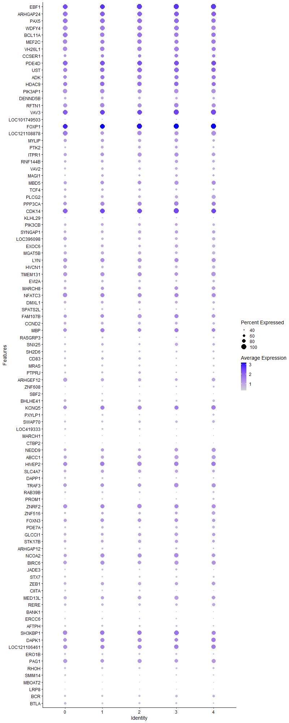
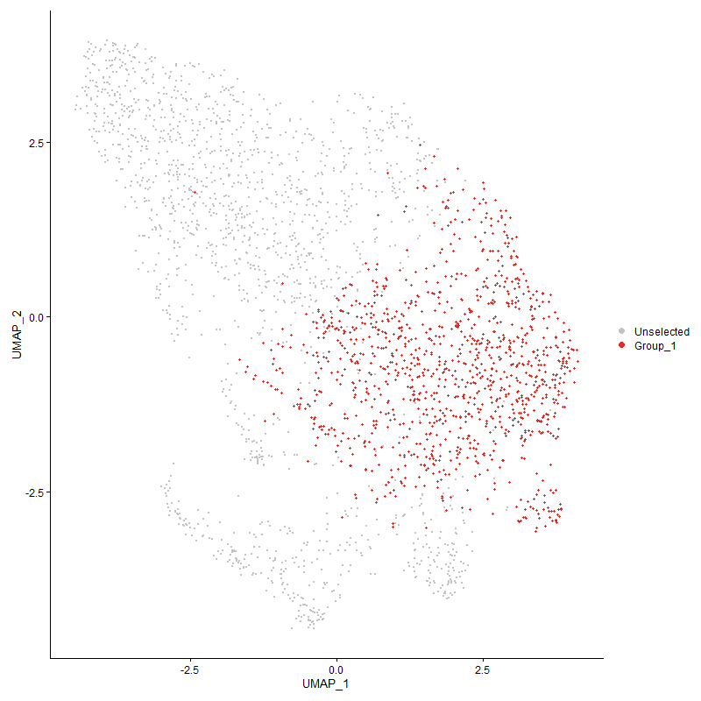
 | p_val | avg_log2FC | pct.1 | pct.2 | p_val_adj | cluster | gene
EBF11 | 0 | 2.7289337136 | 0.996 | 0.129 | 0 | 1 | EBF1
ARHGAP241 | 0 | 2.102885448 | 0.98 | 0.253 | 0 | 1 | ARHGAP24
PAX51 | 0 | 2.0587275704 | 0.964 | 0.122 | 0 | 1 | PAX5
WDFY41 | 0 | 1.8767553368 | 0.948 | 0.162 | 0 | 1 | WDFY4
BCL11A1 | 0 | 1.845597296 | 0.914 | 0.128 | 0 | 1 | BCL11A
MEF2C1 | 0 | 1.7747385844 | 0.875 | 0.176 | 0 | 1 | MEF2C
VH26L11 | 0 | 1.7168125713 | 0.893 | 0.121 | 0 | 1 | VH26L1
CCSER11 | 0 | 1.6526556488 | 0.736 | 0.202 | 0 | 1 | CCSER1
PDE4D1 | 0 | 1.6415662461 | 0.953 | 0.484 | 0 | 1 | PDE4D
UST1 | 0 | 1.6107690851 | 0.926 | 0.357 | 0 | 1 | UST
ADK1 | 0 | 1.6079381069 | 0.868 | 0.34 | 0 | 1 | ADK
HDAC91 | 0 | 1.4618914727 | 0.901 | 0.354 | 0 | 1 | HDAC9
PIK3AP11 | 0 | 1.4271528823 | 0.886 | 0.281 | 0 | 1 | PIK3AP1
DENND5B1 | 0 | 1.2090991621 | 0.659 | 0.088 | 0 | 1 | DENND5B
RFTN11 | 0 | 1.1925237529 | 0.891 | 0.43 | 0 | 1 | RFTN1
VAV31 | 0 | 1.1903260817 | 0.994 | 0.841 | 0 | 1 | VAV3
LOC1017495031 | 0 | 1.1759578312 | 0.354 | 0.037 | 0 | 1 | LOC101749503
FOXP11 | 0 | 1.1663164344 | 0.998 | 0.974 | 0 | 1 | FOXP1
LOC1211088781 | 0 | 1.1581572695 | 0.82 | 0.165 | 0 | 1 | LOC121108878
MYLIP1 | 0 | 1.1262159952 | 0.754 | 0.277 | 0 | 1 | MYLIP
PTK21 | 0 | 1.0706988786 | 0.653 | 0.145 | 0 | 1 | PTK2
ITPR11 | 0 | 1.065908789 | 0.822 | 0.336 | 0 | 1 | ITPR1
RNF144B1 | 1.5654778465E-288 | 1.063268258 | 0.689 | 0.245 | 2.3906412193E-284 | 1 | RNF144B
VAV21 | 0 | 1.0482548743 | 0.625 | 0.092 | 0 | 1 | VAV2
MAGI11 | 2.6754886879E-289 | 1.0155080606 | 0.599 | 0.171 | 4.0857387753E-285 | 1 | MAGI1
MBD51 | 5.0203888295E-204 | 0.99355273337 | 0.793 | 0.431 | 7.6666357816E-200 | 1 | MBD5
TCF41 | 0 | 0.95819705266 | 0.62 | 0.16 | 0 | 1 | TCF4
PLCG21 | 0 | 0.95488141416 | 0.698 | 0.184 | 0 | 1 | PLCG2
PPP3CA1 | 7.2951061169E-196 | 0.94398343777 | 0.84 | 0.456 | 1.1140356551E-191 | 1 | PPP3CA
CDK141 | 1.3691845035E-204 | 0.9237511415 | 0.986 | 0.761 | 2.0908816552E-200 | 1 | CDK14
KLHL291 | 2.9071616245E-294 | 0.89957778791 | 0.371 | 0.063 | 4.4395265167E-290 | 1 | KLHL29
PIK3CB1 | 2.5798734744E-183 | 0.87675026658 | 0.672 | 0.309 | 3.9397247827E-179 | 1 | PIK3CB
SYNGAP11 | 3.7714381383E-239 | 0.87053180582 | 0.706 | 0.285 | 5.7593631809E-235 | 1 | SYNGAP1
LOC3960981 | 0 | 0.86000614022 | 0.634 | 0.101 | 0 | 1 | LOC396098
EXOC61 | 1.5946939217E-194 | 0.853755584 | 0.686 | 0.311 | 2.4352570878E-190 | 1 | EXOC6
MGAT5B1 | 9.0613220722E-278 | 0.8472943763 | 0.733 | 0.273 | 1.3837544937E-273 | 1 | MGAT5B
LYN1 | 2.2750330838E-260 | 0.83647308344 | 0.872 | 0.316 | 3.4742030223E-256 | 1 | LYN
HVCN11 | 0 | 0.8359226174 | 0.629 | 0.141 | 0 | 1 | HVCN1
TMEM1311 | 1.6727432713E-187 | 0.83543626784 | 0.846 | 0.507 | 2.5544462496E-183 | 1 | TMEM131
EVI2A1 | 0 | 0.83525531318 | 0.63 | 0.158 | 0 | 1 | EVI2A
MARCH81 | 2.9535763013E-157 | 0.83234924843 | 0.742 | 0.389 | 4.5104063698E-153 | 1 | MARCH8
NFATC31 | 1.2834234239E-141 | 0.82836123458 | 0.875 | 0.672 | 1.9599159106E-137 | 1 | NFATC3
DMXL11 | 2.9924939211E-181 | 0.82807868313 | 0.666 | 0.309 | 4.5698374669E-177 | 1 | DMXL1
SPATS2L1 | 0 | 0.82506350704 | 0.545 | 0.083 | 0 | 1 | SPATS2L
FAM107B1 | 8.1610342208E-115 | 0.81971681559 | 0.795 | 0.544 | 1.2462715359E-110 | 1 | FAM107B
CCND21 | 1.4152615297E-220 | 0.8115496332 | 0.681 | 0.279 | 2.1612458819E-216 | 1 | CCND2
MBP1 | 2.4268957717E-125 | 0.79777645687 | 0.867 | 0.656 | 3.706112533E-121 | 1 | MBP
RASGRP31 | 0 | 0.78762379321 | 0.503 | 0.074 | 0 | 1 | RASGRP3
SNX251 | 2.5052231908E-161 | 0.78359734039 | 0.617 | 0.277 | 3.8257263346E-157 | 1 | SNX25
SH2D61 | 4.6090860606E-300 | 0.77121155108 | 0.53 | 0.128 | 7.0385353232E-296 | 1 | SH2D6
CD831 | 2.0062241648E-214 | 0.76668553792 | 0.599 | 0.21 | 3.0637049221E-210 | 1 | CD83
MRAS1 | 0 | 0.7584246336 | 0.541 | 0.107 | 0 | 1 | MRAS
PTPRJ1 | 5.8748570853E-232 | 0.75768565445 | 0.545 | 0.164 | 8.971494255E-228 | 1 | PTPRJ
ARHGEF121 | 1.6701124929E-249 | 0.7384044626 | 0.74 | 0.277 | 2.5504287879E-245 | 1 | ARHGEF12
ZNF6081 | 0 | 0.72777449035 | 0.42 | 0.076 | 0 | 1 | ZNF608
SBF21 | 4.1896050204E-146 | 0.72522481617 | 0.447 | 0.16 | 6.3979458267E-142 | 1 | SBF2
BHLHE411 | 0 | 0.72174658748 | 0.549 | 0.117 | 0 | 1 | BHLHE41
KCNQ5 | 1.0400597049E-115 | 0.7213722022 | 0.868 | 0.593 | 1.5882751754E-111 | 1 | KCNQ5
PXYLP11 | 3.8522627067E-221 | 0.71715798808 | 0.487 | 0.139 | 5.8827903794E-217 | 1 | PXYLP1
SWAP701 | 6.676666958E-288 | 0.71409128135 | 0.558 | 0.145 | 1.0195938112E-283 | 1 | SWAP70
LOC4193331 | 0 | 0.71309820583 | 0.484 | 0.074 | 0 | 1 | LOC419333
MARCH11 | 5.0657937215E-109 | 0.70400372956 | 0.364 | 0.134 | 7.7359735922E-105 | 1 | MARCH1
CTBP21 | 4.3199554762E-272 | 0.69784422961 | 0.339 | 0.056 | 6.5970040077E-268 | 1 | CTBP2
NEDD91 | 3.9635414683E-107 | 0.69717594112 | 0.745 | 0.484 | 6.0527241763E-103 | 1 | NEDD9
ABCC11 | 1.3306986947E-140 | 0.69430454461 | 0.766 | 0.447 | 2.0321099767E-136 | 1 | ABCC1
HIVEP21 | 3.3867231313E-110 | 0.68908568809 | 0.888 | 0.71 | 5.1718648938E-106 | 1 | HIVEP2
SLC4A71 | 4.1639596097E-120 | 0.68400953724 | 0.74 | 0.449 | 6.3587827199E-116 | 1 | SLC4A7
DAPP11 | 1.7022317226E-209 | 0.68157165844 | 0.507 | 0.158 | 2.5994780636E-205 | 1 | DAPP1
TRAF31 | 2.0660281139E-115 | 0.68115664812 | 0.818 | 0.555 | 3.1550315328E-111 | 1 | TRAF3
RAB39B1 | 9.243192057E-248 | 0.67854419702 | 0.518 | 0.146 | 1.411527859E-243 | 1 | RAB39B
PROM11 | 0 | 0.6767998196 | 0.431 | 0.072 | 0 | 1 | PROM1
ZNRF21 | 4.10470791E-109 | 0.66813804839 | 0.875 | 0.655 | 6.2682994494E-105 | 1 | ZNRF2
ZNF5161 | 6.2654353411E-163 | 0.66530007985 | 0.636 | 0.246 | 9.5679463094E-159 | 1 | ZNF516
FOXN31 | 1.337331935E-91 | 0.65926449253 | 0.801 | 0.602 | 2.042239598E-87 | 1 | FOXN3
PDE7A1 | 9.7989800212E-165 | 0.65884783122 | 0.612 | 0.259 | 1.496402239E-160 | 1 | PDE7A
GLCCI11 | 3.0337256531E-112 | 0.65587383784 | 0.711 | 0.412 | 4.6328024448E-108 | 1 | GLCCI1
STK17B1 | 1.4554204506E-104 | 0.65193489348 | 0.707 | 0.431 | 2.2225725701E-100 | 1 | STK17B
ARHGAP121 | 1.1713579705E-144 | 0.65152039357 | 0.529 | 0.214 | 1.7887807567E-140 | 1 | ARHGAP12
NCOA2 | 4.7550837666E-114 | 0.64787695963 | 0.86 | 0.613 | 7.26148842E-110 | 1 | NCOA2
BIRC61 | 2.4379797652E-114 | 0.64388010469 | 0.867 | 0.679 | 3.7230388994E-110 | 1 | BIRC6
JADE31 | 2.9364905538E-150 | 0.6427657757 | 0.5 | 0.19 | 4.4843147247E-146 | 1 | JADE3
STX71 | 0 | 0.63072702395 | 0.48 | 0.095 | 0 | 1 | STX7
ZEB11 | 1.1918241955E-101 | 0.62942556178 | 0.752 | 0.497 | 1.820034729E-97 | 1 | ZEB1
CIITA1 | 0 | 0.62610514834 | 0.434 | 0.068 | 0 | 1 | CIITA
MED13L1 | 7.9419100584E-88 | 0.61475376192 | 0.76 | 0.54 | 1.212809085E-83 | 1 | MED13L
RERE1 | 4.4751282199E-119 | 0.61257334859 | 0.637 | 0.34 | 6.8339683045E-115 | 1 | RERE
BANK11 | 1.0890409133E-188 | 0.60181762246 | 0.322 | 0.07 | 1.6630743787E-184 | 1 | BANK1
ERCC61 | 4.1019186516E-109 | 0.59355341788 | 0.444 | 0.189 | 6.2640399728E-105 | 1 | ERCC6
AFTPH1 | 4.4699419052E-123 | 0.58904194471 | 0.573 | 0.275 | 6.8260482834E-119 | 1 | AFTPH
SH3KBP1 | 3.6142677102E-89 | 0.58577511726 | 0.923 | 0.79 | 5.5193482203E-85 | 1 | SH3KBP1
DAPK1 | 1.6201605214E-73 | 0.585265017 | 0.848 | 0.688 | 2.4741471323E-69 | 1 | DAPK1
LOC121106461 | 3.5625081909E-89 | 0.58267130073 | 0.871 | 0.604 | 5.4403062583E-85 | 1 | LOC121106461
ERO1B1 | 6.6332697591E-114 | 0.58051969565 | 0.536 | 0.249 | 1.0129666249E-109 | 1 | ERO1B
PAG11 | 1.800174874E-102 | 0.57563893349 | 0.805 | 0.49 | 2.74904705E-98 | 1 | PAG1
RHOH1 | 3.7409639827E-98 | 0.57115873694 | 0.557 | 0.292 | 5.7128260979E-94 | 1 | RHOH
SMIM141 | 2.5727549716E-196 | 0.56853697994 | 0.401 | 0.105 | 3.9288541171E-192 | 1 | SMIM14
MBOAT21 | 0 | 0.56770780395 | 0.328 | 0.044 | 0 | 1 | MBOAT2
LRP81 | 8.7099586066E-222 | 0.56290397568 | 0.32 | 0.061 | 1.3300977788E-217 | 1 | LRP8
BCR1 | 2.1475277638E-122 | 0.56193980065 | 0.572 | 0.26 | 3.2794896481E-118 | 1 | BCR
BTLA1 | 3.6542951749E-197 | 0.55900845199 | 0.49 | 0.149 | 5.5804741617E-193 | 1 | BTLA
BMPR21 | 2.5868888038E-82 | 0.54867218018 | 0.629 | 0.356 | 3.9504378923E-78 | 1 | BMPR2
GTDC1 | 4.4818583928E-73 | 0.54407476649 | 0.593 | 0.353 | 6.8442459516E-69 | 1 | GTDC1
ZC3H12C1 | 1.9680939909E-221 | 0.5431915929 | 0.39 | 0.09 | 3.0054763336E-217 | 1 | ZC3H12C
SNAP911 | 4.0770606078E-214 | 0.54194411595 | 0.414 | 0.104 | 6.2260792541E-210 | 1 | SNAP91
CAMK2D | 4.8854191641E-80 | 0.54142009419 | 0.731 | 0.481 | 7.4605236056E-76 | 1 | CAMK2D
ZCCHC71 | 1.2198775945E-100 | 0.5408248722 | 0.436 | 0.187 | 1.8628750746E-96 | 1 | ZCCHC7
DOK11 | 1.3813500416E-209 | 0.53990864288 | 0.442 | 0.119 | 2.1094596485E-205 | 1 | DOK1
MLLT11 | 3.8996712605E-228 | 0.53903365742 | 0.434 | 0.107 | 5.9551879819E-224 | 1 | MLLT1
ZNF4231 | 8.286202166E-131 | 0.53864754545 | 0.365 | 0.116 | 1.2653859328E-126 | 1 | ZNF423
SP41 | 2.0626959243E-114 | 0.52661783977 | 0.545 | 0.252 | 3.149942946E-110 | 1 | SP4
ANKRD101 | 6.4610677185E-69 | 0.52465927991 | 0.76 | 0.545 | 9.8666965129E-65 | 1 | ANKRD10
TBL1X | 1.1967788073E-87 | 0.52295799475 | 0.962 | 0.806 | 1.8276009167E-83 | 1 | TBL1X
SLC16A101 | 2.1551969293E-102 | 0.52201734142 | 0.299 | 0.098 | 3.2912012308E-98 | 1 | SLC16A10
LOC124418357 | 5.1201892462E-73 | 0.51920551194 | 0.587 | 0.339 | 7.8190409978E-69 | 1 | LOC124418357
NRK1 | 5.6939353798E-84 | 0.5181642645 | 0.961 | 0.844 | 8.6952087184E-80 | 1 | NRK
ARID1B | 1.5559085942E-85 | 0.5137520918 | 0.975 | 0.937 | 2.3760280142E-81 | 1 | ARID1B
GRAMD41 | 8.5362218155E-161 | 0.505472849 | 0.412 | 0.126 | 1.3035664334E-156 | 1 | GRAMD4
SPRED21 | 2.0871390022E-105 | 0.50335487637 | 0.371 | 0.138 | 3.1872699703E-101 | 1 | SPRED2
STK38L | 3.5174181513E-51 | 0.49987883252 | 0.613 | 0.425 | 5.3714492588E-47 | 1 | STK38L
BCL7A1 | 9.067135442E-143 | 0.49956627784 | 0.41 | 0.135 | 1.3846422533E-138 | 1 | BCL7A
J6367-mgp021 | 7.8459069207E-123 | 0.49572268917 | 1 | 0.995 | 1.1981484459E-118 | 1 | J6367-mgp02
BCL21 | 1.1848197035E-88 | 0.49299475517 | 0.703 | 0.401 | 1.8093381692E-84 | 1 | BCL2
BLB11 | 7.0481558937E-171 | 0.49180085806 | 0.709 | 0.266 | 1.0763238865E-166 | 1 | BLB1
PIK3R11 | 7.4412024041E-49 | 0.48958221621 | 0.646 | 0.474 | 1.1363460191E-44 | 1 | PIK3R1
CD79B1 | 1.0311652049E-204 | 0.48670386737 | 0.413 | 0.103 | 1.5746923843E-200 | 1 | CD79B
KLF21 | 5.2004485403E-91 | 0.48272004943 | 0.533 | 0.268 | 7.9416049659E-87 | 1 | KLF2
J6367-mgp011 | 8.0983190425E-75 | 0.4798362172 | 0.969 | 0.873 | 1.236694301E-70 | 1 | J6367-mgp01
KIAA11091 | 6.7283873196E-80 | 0.47875212119 | 0.596 | 0.345 | 1.0274920276E-75 | 1 | KIAA1109
SNX91 | 4.1849118614E-94 | 0.4722147092 | 0.419 | 0.182 | 6.3907789036E-90 | 1 | SNX9
ARHGAP15 | 1.2822130449E-103 | 0.4684411435 | 1 | 0.982 | 1.9580675409E-99 | 1 | ARHGAP15
EPS151 | 1.8878950452E-95 | 0.46788141683 | 0.454 | 0.203 | 2.8830045236E-91 | 1 | EPS15
DGKD1 | 3.5877579883E-74 | 0.46621985873 | 0.658 | 0.427 | 5.4788652239E-70 | 1 | DGKD
CCNY | 1.129333527E-54 | 0.46451549151 | 0.676 | 0.471 | 1.7246052291E-50 | 1 | CCNY
ATP9B | 2.1867140458E-46 | 0.46361943763 | 0.629 | 0.461 | 3.3393310194E-42 | 1 | ATP9B
SYK1 | 1.7427507912E-180 | 0.46192728194 | 0.37 | 0.093 | 2.6613547333E-176 | 1 | SYK
LAMC11 | 5.4089584214E-122 | 0.46077532148 | 0.386 | 0.137 | 8.2600204054E-118 | 1 | LAMC1
TBC1D5 | 1.2526009176E-41 | 0.45909929785 | 0.846 | 0.758 | 1.9128468613E-37 | 1 | TBC1D5
MAML2 | 2.4910405773E-33 | 0.45745297612 | 0.337 | 0.196 | 3.8040680656E-29 | 1 | MAML2
SESN1 | 1.4225732372E-62 | 0.45181647993 | 0.676 | 0.435 | 2.1724115905E-58 | 1 | SESN1
RCSD11 | 6.2718137589E-50 | 0.44639964776 | 0.559 | 0.371 | 9.5776867913E-46 | 1 | RCSD1
LOC100859602 | 2.6101364304E-45 | 0.42935430344 | 0.856 | 0.771 | 3.9859393429E-41 | 1 | LOC100859602
MYO1C1 | 2.0732690973E-130 | 0.42810790648 | 0.328 | 0.096 | 3.1660892385E-126 | 1 | MYO1C
CASK | 7.7334584623E-38 | 0.42303976216 | 0.613 | 0.446 | 1.1809764418E-33 | 1 | CASK
HMGCS11 | 1.6090305631E-78 | 0.42227945393 | 0.445 | 0.21 | 2.4571505729E-74 | 1 | HMGCS1
RASAL11 | 0 | 0.41775270477 | 0.29 | 0.033 | 0 | 1 | RASAL1
EPB41L2 | 5.3149816503E-42 | 0.4170945497 | 0.544 | 0.363 | 8.1165084781E-38 | 1 | EPB41L2
KDM6A | 7.839745861E-55 | 0.41653443634 | 0.894 | 0.796 | 1.1972075904E-50 | 1 | KDM6A
VGLL4 | 1.4109054018E-43 | 0.41516046506 | 0.462 | 0.291 | 2.154593639E-39 | 1 | VGLL4
CHST151 | 1.3615804203E-184 | 0.41512712239 | 0.236 | 0.039 | 2.0792694598E-180 | 1 | CHST15
EHMT11 | 1.0405143463E-52 | 0.41119438262 | 0.551 | 0.35 | 1.5889694582E-48 | 1 | EHMT1
MAST2 | 4.3393337278E-75 | 0.4074104142 | 0.29 | 0.111 | 6.6265965357E-71 | 1 | MAST2
PRKCB1 | 1.1755530436E-87 | 0.40026027188 | 0.467 | 0.215 | 1.7951870528E-83 | 1 | PRKCB
CDC14A | 8.6856753176E-34 | 0.39942877902 | 0.482 | 0.328 | 1.3263894778E-29 | 1 | CDC14A
GFRA1 | 2.0271560659E-155 | 0.3990747678 | 0.137 | 0.015 | 3.0956700283E-151 | 1 | GFRA1
DCBLD21 | 1.4334954896E-101 | 0.39830986022 | 0.305 | 0.1 | 2.1890909622E-97 | 1 | DCBLD2
COPS2 | 7.1727913569E-94 | 0.39714509636 | 0.39 | 0.157 | 1.0953569681E-89 | 1 | COPS2
CTSC1 | 6.594839418E-80 | 0.39236570891 | 0.442 | 0.209 | 1.0070979275E-75 | 1 | CTSC
B3GNTL1 | 1.3836895297E-45 | 0.39201479921 | 0.309 | 0.155 | 2.1130322808E-41 | 1 | B3GNTL1
ESRRG | 3.7048463488E-17 | 0.38983486478 | 0.61 | 0.506 | 5.6576708592E-13 | 1 | ESRRG
PCF11 | 9.1425936088E-51 | 0.3884973346 | 0.671 | 0.492 | 1.39616547E-46 | 1 | PCF11
BIN1 | 5.5329388193E-80 | 0.38698559258 | 0.354 | 0.148 | 8.449350871E-76 | 1 | BIN1
POLA1 | 7.1503586301E-29 | 0.38689536282 | 0.432 | 0.29 | 1.0919312664E-24 | 1 | POLA1
PCASP21 | 1.5237677066E-120 | 0.38630783309 | 0.349 | 0.114 | 2.3269456648E-116 | 1 | PCASP2
MBNL21 | 7.6375378265E-170 | 0.38468817684 | 0.238 | 0.043 | 1.1663284015E-165 | 1 | MBNL2
CUL5 | 6.8343536446E-69 | 0.38300716562 | 0.471 | 0.246 | 1.0436741451E-64 | 1 | CUL5
HHEX1 | 3.8654688154E-79 | 0.37879622635 | 0.418 | 0.19 | 5.902957428E-75 | 1 | HHEX
CYBB1 | 3.7791038527E-90 | 0.37701657009 | 0.296 | 0.103 | 5.7710694935E-86 | 1 | CYBB
NCOA71 | 6.156961908E-83 | 0.37452778407 | 0.445 | 0.202 | 9.4022965297E-79 | 1 | NCOA7
TMEM135 | 2.0001559617E-34 | 0.37371264817 | 0.542 | 0.384 | 3.0544381691E-30 | 1 | TMEM135
LOC107048990 | 1.8339011666E-53 | 0.37343475942 | 0.812 | 0.601 | 2.8005504715E-49 | 1 | LOC107048990
WIPF11 | 4.9734475158E-44 | 0.37164302349 | 0.586 | 0.413 | 7.5949517013E-40 | 1 | WIPF1
NUCB2 | 1.2501828006E-35 | 0.37094897079 | 0.449 | 0.295 | 1.9091541547E-31 | 1 | NUCB2
RNF1521 | 2.358034234E-225 | 0.36985287639 | 0.217 | 0.027 | 3.6009540787E-221 | 1 | RNF152
VOPP1 | 1.3929931619E-157 | 0.3692653904 | 0.173 | 0.024 | 2.1272398575E-153 | 1 | VOPP1
TMEM131L | 2.0572513129E-41 | 0.36922485347 | 0.606 | 0.419 | 3.1416284799E-37 | 1 | TMEM131L
MAST4 | 1.0077594826E-57 | 0.3691183649 | 0.43 | 0.225 | 1.5389495059E-53 | 1 | MAST4
MAP3K1 | 4.1136211119E-19 | 0.36853457406 | 0.588 | 0.492 | 6.2819108E-15 | 1 | MAP3K1
PHIP | 7.4884619053E-43 | 0.36782096703 | 0.69 | 0.504 | 1.1435630176E-38 | 1 | PHIP
ARNTL2 | 4.7824199222E-120 | 0.36772156806 | 0.26 | 0.068 | 7.3032334631E-116 | 1 | ARNTL2
P2RY81 | 5.2850792168E-49 | 0.36765406694 | 0.9 | 0.705 | 8.0708444719E-45 | 1 | P2RY8
SETBP1 | 4.7089602212E-34 | 0.36737401924 | 0.534 | 0.352 | 7.1910531538E-30 | 1 | SETBP1
LOC1017500371 | 7.0915053651E-38 | 0.3668884291 | 0.495 | 0.333 | 1.0829437843E-33 | 1 | LOC101750037
SYNJ1 | 5.6499426615E-73 | 0.36665842436 | 0.356 | 0.154 | 8.6280274383E-69 | 1 | SYNJ1
SRBD1 | 4.2633325863E-65 | 0.36232555938 | 0.226 | 0.08 | 6.5105351925E-61 | 1 | SRBD1
ANKRD33B1 | 4.2749000323E-216 | 0.36231173132 | 0.198 | 0.023 | 6.5281998394E-212 | 1 | ANKRD33B
TMSB15B1 | 4.0529010843E-129 | 0.36211133202 | 0.357 | 0.107 | 6.1891852459E-125 | 1 | TMSB15B
GRAPL1 | 1.9438192022E-78 | 0.35775290268 | 0.394 | 0.173 | 2.9684063037E-74 | 1 | GRAPL
AMD11 | 1.0040380293E-71 | 0.35574772062 | 0.374 | 0.169 | 1.5332664745E-67 | 1 | AMD1
ZDHHC8 | 4.6606624962E-66 | 0.35123375307 | 0.287 | 0.116 | 7.117297698E-62 | 1 | ZDHHC8
USP15 | 9.503066057E-34 | 0.3487330526 | 0.566 | 0.411 | 1.4512132176E-29 | 1 | USP15
PELI3 | 1.7159433697E-33 | 0.34851140037 | 0.595 | 0.446 | 2.6204171199E-29 | 1 | PELI3
ELOVL5 | 7.7515484305E-39 | 0.34800775367 | 0.49 | 0.323 | 1.1837389608E-34 | 1 | ELOVL5
GMDS | 3.2086124382E-15 | 0.34776721583 | 0.462 | 0.364 | 4.8998720544E-11 | 1 | GMDS
CDK6 | 2.0412798746E-41 | 0.34660559552 | 0.367 | 0.205 | 3.1172384965E-37 | 1 | CDK6
ADSS11 | 5.6158105754E-145 | 0.34583574989 | 0.312 | 0.079 | 8.5759043298E-141 | 1 | ADSS1
GNS1 | 5.8915494433E-59 | 0.34342421419 | 0.449 | 0.241 | 8.9969851548E-55 | 1 | GNS
ALDH18A1 | 1.7328692143E-53 | 0.34213965703 | 0.309 | 0.143 | 2.6462645771E-49 | 1 | ALDH18A1
GPATCH2 | 2.6074669702E-22 | 0.34205284281 | 0.344 | 0.234 | 3.9818628102E-18 | 1 | GPATCH2
MAPK10 | 1.6289704935E-156 | 0.34102516454 | 0.173 | 0.024 | 2.4876008407E-152 | 1 | MAPK10
TSC22D41 | 3.3607354339E-34 | 0.34049883313 | 0.702 | 0.549 | 5.1321790811E-30 | 1 | TSC22D4
GAB31 | 6.101459188E-70 | 0.3401619567 | 0.477 | 0.235 | 9.317538326E-66 | 1 | GAB3
MAP4K3 | 6.6119284427E-34 | 0.34004196339 | 0.493 | 0.34 | 1.0097075925E-29 | 1 | MAP4K3
UBAC2 | 1.9774594963E-24 | 0.33657636465 | 0.476 | 0.347 | 3.0197783968E-20 | 1 | UBAC2
ERP441 | 3.8891519447E-62 | 0.33595025771 | 0.393 | 0.194 | 5.9391239347E-58 | 1 | ERP44
EBAG91 | 2.7203523674E-63 | 0.33419255761 | 0.43 | 0.22 | 4.1542501003E-59 | 1 | EBAG9
PPP2R2D | 5.2949161681E-30 | 0.3316298278 | 0.508 | 0.362 | 8.0858664803E-26 | 1 | PPP2R2D
CSK1 | 4.1077665041E-53 | 0.32490060335 | 0.491 | 0.287 | 6.2729702285E-49 | 1 | CSK
SLC38A1 | 7.6683358265E-36 | 0.32345862918 | 0.433 | 0.276 | 1.1710315641E-31 | 1 | SLC38A1
PPP2R5C | 2.3388228071E-26 | 0.32250906523 | 0.526 | 0.396 | 3.5716163088E-22 | 1 | PPP2R5C
SAT11 | 1.1711023001E-35 | 0.32155428803 | 0.461 | 0.297 | 1.7883903225E-31 | 1 | SAT1
EVL | 1.9644609202E-36 | 0.3212121413 | 0.656 | 0.486 | 2.9999282712E-32 | 1 | EVL
IRAG2 | 1.7773029099E-75 | 0.32081986216 | 0.311 | 0.121 | 2.7141192737E-71 | 1 | IRAG2
FGD3 | 8.845070435E-32 | 0.31820498736 | 0.605 | 0.449 | 1.3507307061E-27 | 1 | FGD3
SPI11 | 7.9054146835E-69 | 0.31784684081 | 0.416 | 0.19 | 1.2072358763E-64 | 1 | SPI1
GPR181 | 4.3581373005E-151 | 0.31696847653 | 0.244 | 0.05 | 6.6553114716E-147 | 1 | GPR18
RASA3 | 6.7199407978E-32 | 0.31659091511 | 0.938 | 0.872 | 1.0262021592E-27 | 1 | RASA3
EXOC6B1 | 9.8567904858E-39 | 0.31603728793 | 0.358 | 0.204 | 1.5052304751E-34 | 1 | EXOC6B
CRAMP1 | 7.1979178437E-47 | 0.31539980133 | 0.405 | 0.23 | 1.0991940339E-42 | 1 | CRAMP1
NFKBIZ | 3.6527100205E-37 | 0.31532823286 | 0.586 | 0.407 | 5.5780534724E-33 | 1 | NFKBIZ
LOC415472 | 2.0813743904E-41 | 0.31477434113 | 0.268 | 0.128 | 3.1784668316E-37 | 1 | LOC415472
ELMO1 | 2.1143239843E-47 | 0.31475416812 | 0.995 | 0.911 | 3.2287841564E-43 | 1 | ELMO1
SNX13 | 1.7359008603E-28 | 0.31431423259 | 0.386 | 0.249 | 2.6508942038E-24 | 1 | SNX13
LOC1125318801 | 4.8997965679E-92 | 0.31412922577 | 0.271 | 0.088 | 7.4824793389E-88 | 1 | LOC112531880
MTHFD1L | 7.4052605085E-43 | 0.31400652656 | 0.326 | 0.167 | 1.1308573323E-38 | 1 | MTHFD1L
LOC1211069811 | 6.1870780732E-20 | 0.31282175972 | 0.804 | 0.743 | 9.4482869256E-16 | 1 | LOC121106981
FAM46A1 | 1.9330819344E-43 | 0.31236331226 | 0.384 | 0.215 | 2.952009422E-39 | 1 | FAM46A
TCF12 | 1.2697355023E-25 | 0.31235495188 | 0.606 | 0.481 | 1.9390130856E-21 | 1 | TCF12
IGLL11 | 2.2581356297E-306 | 0.31221165128 | 0.59 | 0.138 | 3.4483989202E-302 | 1 | IGLL1
SCAF8 | 5.1743596917E-23 | 0.31184946684 | 0.554 | 0.433 | 7.9017646851E-19 | 1 | SCAF8
TLR1A1 | 3.1648241394E-166 | 0.31154908866 | 0.233 | 0.042 | 4.8330029433E-162 | 1 | TLR1A
CTDP1 | 9.2383985251E-21 | 0.30853198454 | 0.545 | 0.426 | 1.4107958388E-16 | 1 | CTDP1
ELF1 | 4.7329051881E-28 | 0.30837785302 | 0.721 | 0.599 | 7.2276195127E-24 | 1 | ELF1
TBC1D22A | 4.8780822424E-17 | 0.30833963112 | 0.393 | 0.298 | 7.4493193923E-13 | 1 | TBC1D22A
SLC23A2 | 4.9409746262E-40 | 0.30799221639 | 0.394 | 0.229 | 7.5453623517E-36 | 1 | SLC23A2
NR3C2 | 3.7357987145E-21 | 0.30790376883 | 0.496 | 0.357 | 5.7049382168E-17 | 1 | NR3C2
HIPK3 | 1.3904320579E-36 | 0.30776000506 | 0.404 | 0.246 | 2.1233287956E-32 | 1 | HIPK3
CNOT61 | 1.2926487951E-49 | 0.30530959138 | 0.383 | 0.206 | 1.974003975E-45 | 1 | CNOT6
ZHX21 | 1.8862004216E-37 | 0.30403534124 | 0.335 | 0.188 | 2.8804166638E-33 | 1 | ZHX2
BMPR1B | 4.0470383131E-42 | 0.30379204079 | 0.112 | 0.032 | 6.1802322079E-38 | 1 | BMPR1B
ATXN71 | 1.0010246214E-30 | 0.30338025084 | 0.405 | 0.257 | 1.5286646994E-26 | 1 | ATXN7
DPH6 | 1.4014825391E-13 | 0.30280171664 | 0.264 | 0.185 | 2.1402039854E-09 | 1 | DPH6
CNTRL1 | 1.0654566024E-33 | 0.30246107554 | 0.467 | 0.31 | 1.6270587775E-29 | 1 | CNTRL
CDR21 | 4.4387935497E-132 | 0.30038221132 | 0.235 | 0.052 | 6.7784816298E-128 | 1 | CDR2
FBXL22 | 4.6250286868E-40 | 0.29897337112 | 0.408 | 0.242 | 7.0628813076E-36 | 1 | FBXL22
SHOC2 | 8.3144777728E-40 | 0.29847118352 | 0.387 | 0.223 | 1.2697039007E-35 | 1 | SHOC2
LOC124417123 | 1.1812848087E-29 | 0.29822212474 | 0.25 | 0.134 | 1.8039400314E-25 | 1 | LOC124417123
PLD41 | 2.6244006808E-158 | 0.29665555714 | 0.222 | 0.04 | 4.0077222796E-154 | 1 | PLD4
ANKRD44 | 1.2833196369E-34 | 0.29658155353 | 0.928 | 0.849 | 1.9597574175E-30 | 1 | ANKRD44
RRAS1 | 4.5044202825E-34 | 0.29407616311 | 0.661 | 0.491 | 6.8787002133E-30 | 1 | RRAS
CUL3 | 1.0668869494E-32 | 0.29348659431 | 0.561 | 0.4 | 1.6292430604E-28 | 1 | CUL3
LOC101752071 | 5.558101578E-123 | 0.29343479573 | 0.121 | 0.015 | 8.4877769198E-119 | 1 | LOC101752071
ATP11A | 1.0781994003E-52 | 0.29184511333 | 0.278 | 0.121 | 1.6465183043E-48 | 1 | ATP11A
ACTR3B | 2.1648992358E-40 | 0.29129759439 | 0.316 | 0.163 | 3.3060176229E-36 | 1 | ACTR3B
PLEKHO11 | 1.352628126E-88 | 0.29092444284 | 0.29 | 0.098 | 2.0655984113E-84 | 1 | PLEKHO1
VPS13C | 1.4695195406E-28 | 0.29076416822 | 0.353 | 0.221 | 2.2441032905E-24 | 1 | VPS13C
IRF4 | 1.3346229123E-46 | 0.28998311286 | 0.37 | 0.196 | 2.0381026494E-42 | 1 | IRF4
SP3 | 4.3554510224E-31 | 0.28984246022 | 0.615 | 0.454 | 6.6512092564E-27 | 1 | SP3
PDK3 | 3.7698171605E-52 | 0.28903064689 | 0.395 | 0.205 | 5.7568877858E-48 | 1 | PDK3
P2RX51 | 3.0185751074E-64 | 0.28825850403 | 0.291 | 0.119 | 4.6096660465E-60 | 1 | P2RX5
SEMA4D | 7.2644696419E-39 | 0.28786652314 | 0.339 | 0.183 | 1.109357159E-34 | 1 | SEMA4D
SYNE3 | 3.6794632847E-38 | 0.28766769715 | 0.367 | 0.209 | 5.618908382E-34 | 1 | SYNE3
NECAP21 | 9.2316516755E-79 | 0.28766074016 | 0.277 | 0.099 | 1.4097655274E-74 | 1 | NECAP2
SLC39A101 | 8.3235731621E-55 | 0.28499014682 | 0.28 | 0.122 | 1.2710928576E-50 | 1 | SLC39A10
PHLPP1 | 5.0910524553E-31 | 0.28460336448 | 0.336 | 0.197 | 7.7745462046E-27 | 1 | PHLPP1
DOCK71 | 1.3270879997E-93 | 0.28458656547 | 0.24 | 0.07 | 2.0265960843E-89 | 1 | DOCK7
BTRC | 7.1489057982E-30 | 0.28447010141 | 0.4 | 0.256 | 1.0917094044E-25 | 1 | BTRC
PAN3 | 2.3634729365E-19 | 0.28365576924 | 0.662 | 0.568 | 3.6092595214E-15 | 1 | PAN3
IKZF31 | 5.2888521821E-39 | 0.28257868247 | 0.486 | 0.302 | 8.0766061673E-35 | 1 | IKZF3
NEK7 | 6.9678358107E-73 | 0.28252629278 | 0.22 | 0.071 | 1.0640582067E-68 | 1 | NEK7
DHRSX | 5.1332525209E-14 | 0.28147268937 | 0.298 | 0.213 | 7.8389899247E-10 | 1 | DHRSX
SEPTIN91 | 1.3648105996E-31 | 0.2814718228 | 0.5 | 0.345 | 2.0842022666E-27 | 1 | SEPTIN9
CCDC91 | 1.5492486796E-16 | 0.28086783529 | 0.225 | 0.14 | 2.3658576586E-12 | 1 | CCDC91
MICU2 | 1.2011750731E-12 | 0.28057827237 | 0.435 | 0.346 | 1.8343144541E-08 | 1 | MICU2
USP25 | 3.4774290114E-26 | 0.27935997485 | 0.555 | 0.411 | 5.3103818433E-22 | 1 | USP25
SCAF111 | 6.7792179404E-36 | 0.27771117255 | 0.42 | 0.258 | 1.0352543717E-31 | 1 | SCAF11
LOC121106978 | 2.2802124531E-18 | 0.27714064844 | 0.576 | 0.479 | 3.4821124371E-14 | 1 | LOC121106978
FAM172A | 4.9908559774E-13 | 0.27708195639 | 0.562 | 0.48 | 7.6215361631E-09 | 1 | FAM172A
REV3L | 3.3544734848E-16 | 0.27691017331 | 0.462 | 0.365 | 5.1226164587E-12 | 1 | REV3L
LRP12 | 1.2516906004E-26 | 0.27500415911 | 0.451 | 0.31 | 1.9114567159E-22 | 1 | LRP12
ZBTB381 | 2.8912338904E-50 | 0.27488566498 | 0.265 | 0.115 | 4.415203274E-46 | 1 | ZBTB38
STIM2 | 6.1873706194E-27 | 0.2737107033 | 0.576 | 0.435 | 9.4487336729E-23 | 1 | STIM2
ASXL21 | 1.636188779E-26 | 0.27341659598 | 0.512 | 0.373 | 2.4986238843E-22 | 1 | ASXL2
CDK19 | 2.0309353051E-21 | 0.27261583096 | 0.447 | 0.318 | 3.1014413045E-17 | 1 | CDK19
AKAP11 | 9.5774133081E-50 | 0.2706106763 | 0.302 | 0.142 | 1.4625667863E-45 | 1 | AKAP1
ITGA6 | 7.2900391656E-61 | 0.27016639196 | 0.283 | 0.116 | 1.113261881E-56 | 1 | ITGA6
J6367-mgp07 | 2.2651882577E-63 | 0.26999845984 | 1 | 1 | 3.4591689883E-59 | 1 | J6367-mgp07
HIVEP3 | 6.3842677657E-07 | 0.2684920621 | 0.369 | 0.323 | 0.009749415305 | 1 | HIVEP3
CCDC501 | 3.6395484374E-81 | 0.26842639028 | 0.279 | 0.096 | 5.5579544188E-77 | 1 | CCDC50
NBAS | 1.3427149937E-15 | 0.26772631317 | 0.291 | 0.204 | 2.0504600668E-11 | 1 | NBAS
ARL11 | 3.8357843176E-48 | 0.26746711211 | 0.28 | 0.13 | 5.8576262314E-44 | 1 | ARL1
FOXK2 | 4.0564873088E-17 | 0.26744805455 | 0.593 | 0.494 | 6.1946617692E-13 | 1 | FOXK2
ZFYVE211 | 2.1228766219E-69 | 0.26589572822 | 0.28 | 0.107 | 3.2418448894E-65 | 1 | ZFYVE21
EDARADD1 | 3.7721950852E-60 | 0.26513396378 | 0.235 | 0.088 | 5.7605191147E-56 | 1 | EDARADD
GLS2 | 2.1382124688E-21 | 0.26451844882 | 0.571 | 0.447 | 3.265264261E-17 | 1 | GLS2
J6367-mgp13 | 6.4633156545E-50 | 0.26350423957 | 1 | 0.996 | 9.8701293359E-46 | 1 | J6367-mgp13
TNFRSF13C1 | 3.4821848386E-162 | 0.26247364341 | 0.209 | 0.034 | 5.317644467E-158 | 1 | TNFRSF13C
CCDC186 | 2.6373652633E-48 | 0.26163843224 | 0.277 | 0.127 | 4.0275204935E-44 | 1 | CCDC186
CRYBG3 | 8.2182578747E-14 | 0.26123411773 | 0.392 | 0.3 | 1.25501016E-09 | 1 | CRYBG3
TNFSF13B1 | 1.7096651951E-105 | 0.26093577905 | 0.248 | 0.066 | 2.6108297195E-101 | 1 | TNFSF13B
LOC1125310561 | 6.0939834599E-110 | 0.25953081877 | 0.221 | 0.053 | 9.3061221417E-106 | 1 | LOC112531056
TCF20 | 5.6563870461E-21 | 0.2592551151 | 0.474 | 0.35 | 8.6378686581E-17 | 1 | TCF20
PWWP2B1 | 1.7812260055E-47 | 0.25870995189 | 0.277 | 0.129 | 2.720110233E-43 | 1 | PWWP2B
CARHSP11 | 7.6779093485E-37 | 0.25726718995 | 0.331 | 0.183 | 1.1724935366E-32 | 1 | CARHSP1
FAR2 | 1.1455023899E-14 | 0.25572787816 | 0.401 | 0.299 | 1.7492966996E-10 | 1 | FAR2
TMEM266 | 7.8695985577E-56 | 0.25433381128 | 0.181 | 0.061 | 1.2017663957E-51 | 1 | TMEM266
RAP1GDS1 | 8.3027612544E-19 | 0.25414510016 | 0.575 | 0.465 | 1.2679146712E-14 | 1 | RAP1GDS1
SEPTIN7 | 5.1062657667E-13 | 0.25406898463 | 0.66 | 0.604 | 7.7977784523E-09 | 1 | SEPTIN7
PNISR | 1.9819298667E-23 | 0.25347410423 | 0.674 | 0.553 | 3.0266050995E-19 | 1 | PNISR
EIF4G3 | 5.283111738E-20 | 0.25231722483 | 0.566 | 0.459 | 8.0678399351E-16 | 1 | EIF4G3
STT3B | 2.5622971446E-18 | 0.2522463351 | 0.409 | 0.3 | 3.9128839696E-14 | 1 | STT3B
CASS4 | 6.1526055784E-61 | 0.2504952821 | 0.263 | 0.103 | 9.3956439788E-57 | 1 | CASS4

Cluster2
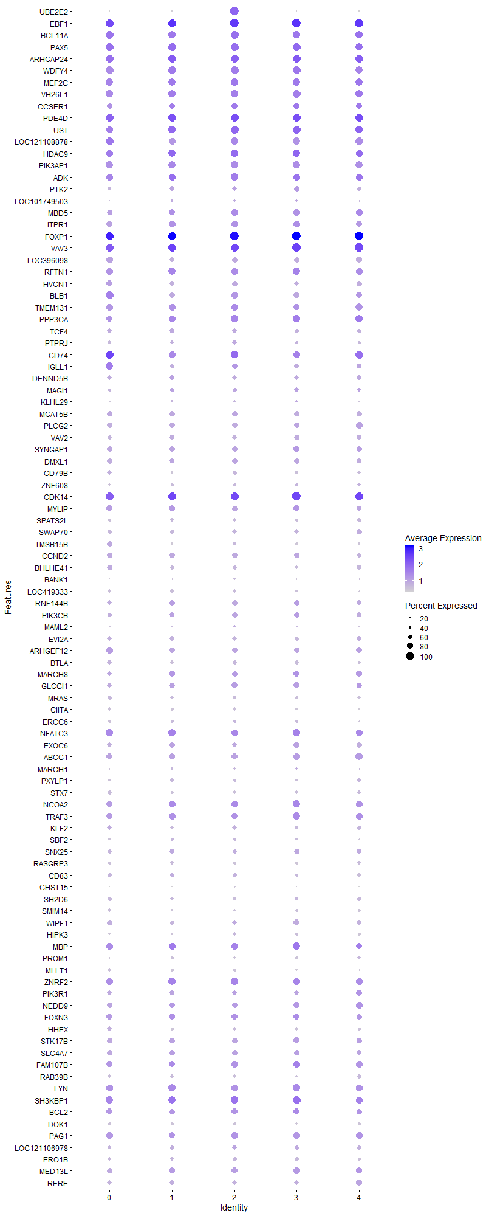
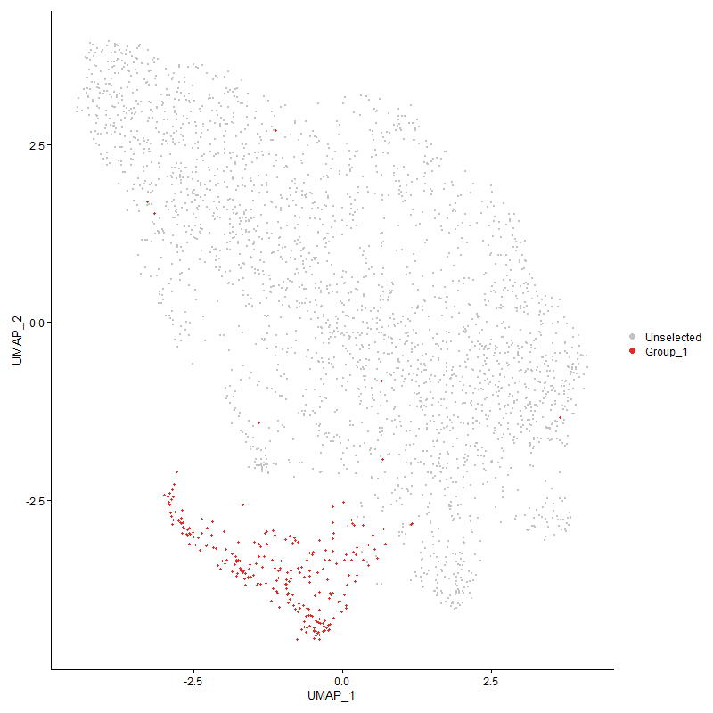
 | p_val | avg_log2FC | pct.1 | pct.2 | p_val_adj | cluster | gene
UBE2E2 | 0 | 2.4983942904 | 1 | 0.109 | 0 | 2 | UBE2E2
EBF12 | 2.3802583932E-245 | 2.1900780524 | 1 | 0.175 | 3.6348925923E-241 | 2 | EBF1
BCL11A2 | 4.5811837715E-243 | 1.8633198834 | 0.968 | 0.17 | 6.9959257375E-239 | 2 | BCL11A
PAX52 | 1.6302421006E-230 | 1.7630083942 | 0.964 | 0.167 | 2.4895427118E-226 | 2 | PAX5
ARHGAP242 | 2.1493942937E-152 | 1.7439547486 | 0.984 | 0.292 | 3.2823400259E-148 | 2 | ARHGAP24
WDFY42 | 4.1259017377E-204 | 1.6181060835 | 0.968 | 0.204 | 6.3006645436E-200 | 2 | WDFY4
MEF2C2 | 1.1394159734E-167 | 1.6047349213 | 0.915 | 0.213 | 1.740002133E-163 | 2 | MEF2C
VH26L12 | 1.5327529498E-202 | 1.5339546513 | 0.895 | 0.163 | 2.3406670296E-198 | 2 | VH26L1
CCSER12 | 1.2441415583E-97 | 1.5311031161 | 0.761 | 0.231 | 1.8999285736E-93 | 2 | CCSER1
PDE4D2 | 6.9450998372E-87 | 1.5154530452 | 0.951 | 0.509 | 1.0605861961E-82 | 2 | PDE4D
UST2 | 9.4912970717E-105 | 1.4815393737 | 0.951 | 0.388 | 1.4494159758E-100 | 2 | UST
LOC1211088782 | 7.4026275008E-177 | 1.4176918483 | 0.919 | 0.199 | 1.1304552456E-172 | 2 | LOC121108878
HDAC92 | 1.2281430574E-77 | 1.2433321772 | 0.919 | 0.383 | 1.8754972629E-73 | 2 | HDAC9
PIK3AP12 | 1.1893592502E-100 | 1.238222664 | 0.874 | 0.313 | 1.816270511E-96 | 2 | PIK3AP1
ADK2 | 2.8053486026E-73 | 1.1222506119 | 0.895 | 0.368 | 4.284047851E-69 | 2 | ADK
PTK22 | 5.7032012322E-95 | 1.0556525929 | 0.664 | 0.173 | 8.7093586018E-91 | 2 | PTK2
LOC1017495032 | 8.9341685556E-109 | 1.0488827727 | 0.385 | 0.054 | 1.3643368801E-104 | 2 | LOC101749503
MBD52 | 7.2010757031E-52 | 1.0052450326 | 0.826 | 0.45 | 1.0996762706E-47 | 2 | MBD5
ITPR12 | 4.0700557303E-64 | 0.98769295131 | 0.826 | 0.362 | 6.2153821058E-60 | 2 | ITPR1
FOXP12 | 1.1635077841E-77 | 0.98529517038 | 1 | 0.976 | 1.7767927371E-73 | 2 | FOXP1
VAV32 | 3.5728537676E-57 | 0.97208848475 | 0.996 | 0.849 | 5.4561049885E-53 | 2 | VAV3
LOC3960982 | 1.8866296471E-148 | 0.96185280168 | 0.709 | 0.129 | 2.8810721341E-144 | 2 | LOC396098
RFTN12 | 1.2763189264E-57 | 0.95204850238 | 0.862 | 0.455 | 1.9490666325E-53 | 2 | RFTN1
HVCN12 | 3.4647571564E-115 | 0.91272679679 | 0.713 | 0.166 | 5.2910306535E-111 | 2 | HVCN1
BLB12 | 1.0640963979E-72 | 0.90827095141 | 0.83 | 0.288 | 1.6249816092E-68 | 2 | BLB1
TMEM1312 | 2.8112267486E-45 | 0.90573076379 | 0.862 | 0.525 | 4.2930243677E-41 | 2 | TMEM131
PPP3CA2 | 1.0894211298E-44 | 0.88169641554 | 0.883 | 0.476 | 1.6636550073E-40 | 2 | PPP3CA
TCF42 | 2.2145707795E-70 | 0.88015210555 | 0.615 | 0.185 | 3.3818710373E-66 | 2 | TCF4
PTPRJ2 | 5.320210784E-73 | 0.87874195715 | 0.623 | 0.184 | 8.1244938882E-69 | 2 | PTPRJ
CD741 | 2.5100264688E-60 | 0.86720513302 | 0.907 | 0.369 | 3.8330614205E-56 | 2 | CD74
IGLL12 | 1.0089191288E-125 | 0.86139012998 | 0.729 | 0.16 | 1.5407204016E-121 | 2 | IGLL1
DENND5B2 | 1.4630743315E-135 | 0.85393440816 | 0.66 | 0.119 | 2.2342608116E-131 | 2 | DENND5B
MAGI12 | 2.7623918057E-46 | 0.82645938853 | 0.551 | 0.195 | 4.2184485265E-42 | 2 | MAGI1
KLHL292 | 4.3334721211E-64 | 0.8246458319 | 0.377 | 0.08 | 6.6176452762E-60 | 2 | KLHL29
MGAT5B2 | 4.6065728358E-60 | 0.82073982885 | 0.729 | 0.298 | 7.0346973776E-56 | 2 | MGAT5B
PLCG22 | 1.0274489151E-73 | 0.81631730809 | 0.68 | 0.212 | 1.5690172383E-69 | 2 | PLCG2
VAV22 | 1.2020402985E-114 | 0.81477454755 | 0.611 | 0.121 | 1.8356357398E-110 | 2 | VAV2
SYNGAP12 | 1.0438909626E-54 | 0.80021410379 | 0.729 | 0.307 | 1.5941258891E-50 | 2 | SYNGAP1
DMXL12 | 1.001758615E-44 | 0.7943121613 | 0.696 | 0.328 | 1.529785581E-40 | 2 | DMXL1
CD79B2 | 4.3419144202E-112 | 0.78546091016 | 0.587 | 0.117 | 6.6305375112E-108 | 2 | CD79B
ZNF6082 | 5.3220528371E-74 | 0.77748418944 | 0.437 | 0.095 | 8.1273068875E-70 | 2 | ZNF608
CDK142 | 1.8103196228E-32 | 0.7772209486 | 0.988 | 0.773 | 2.764539096E-28 | 2 | CDK14
MYLIP2 | 6.126434275E-55 | 0.76599350902 | 0.733 | 0.303 | 9.3556777813E-51 | 2 | MYLIP
SPATS2L2 | 7.6337394489E-102 | 0.75901303186 | 0.543 | 0.108 | 1.1657483512E-97 | 2 | SPATS2L
SWAP702 | 1.0198418435E-79 | 0.74594915566 | 0.615 | 0.166 | 1.5574004792E-75 | 2 | SWAP70
TMSB15B2 | 1.3176678396E-92 | 0.7321367502 | 0.547 | 0.118 | 2.0122105578E-88 | 2 | TMSB15B
CCND22 | 5.1394369308E-48 | 0.72923265722 | 0.7 | 0.301 | 7.8484341371E-44 | 2 | CCND2
BHLHE412 | 4.6999109341E-89 | 0.72048687949 | 0.595 | 0.139 | 7.1772339874E-85 | 2 | BHLHE41
BANK12 | 4.0233832222E-51 | 0.71555754715 | 0.352 | 0.083 | 6.1441085187E-47 | 2 | BANK1
LOC4193332 | 2.4302055802E-103 | 0.71323908591 | 0.514 | 0.096 | 3.7111669416E-99 | 2 | LOC419333
RNF144B2 | 2.4006642115E-48 | 0.70253484951 | 0.676 | 0.269 | 3.6660543173E-44 | 2 | RNF144B
PIK3CB2 | 2.534562501E-37 | 0.69236399568 | 0.696 | 0.328 | 3.8705303952E-33 | 2 | PIK3CB
MAML21 | 1.3003516514E-10 | 0.6916810245 | 0.348 | 0.204 | 1.9857670068E-06 | 2 | MAML2
EVI2A2 | 1.9748529015E-78 | 0.69134170712 | 0.648 | 0.183 | 3.0157978659E-74 | 2 | EVI2A
ARHGEF122 | 1.445153224E-47 | 0.68194960388 | 0.721 | 0.302 | 2.2068934884E-43 | 2 | ARHGEF12
BTLA2 | 1.6629378349E-61 | 0.67452047334 | 0.559 | 0.167 | 2.5394723676E-57 | 2 | BTLA
MARCH82 | 1.2105643041E-24 | 0.66947099275 | 0.696 | 0.409 | 1.8486527488E-20 | 2 | MARCH8
GLCCI12 | 1.8625432024E-31 | 0.66559482214 | 0.745 | 0.428 | 2.8442897243E-27 | 2 | GLCCI1
MRAS2 | 1.2189612501E-81 | 0.6646687413 | 0.547 | 0.13 | 1.861475725E-77 | 2 | MRAS
CIITA2 | 2.552107645E-121 | 0.65970002488 | 0.522 | 0.086 | 3.8973235847E-117 | 2 | CIITA
ERCC62 | 1.2676241582E-28 | 0.65243401043 | 0.466 | 0.203 | 1.935788852E-24 | 2 | ERCC6
NFATC32 | 8.7262574838E-26 | 0.64248425364 | 0.87 | 0.683 | 1.3325867803E-21 | 2 | NFATC3
EXOC62 | 5.4418656847E-31 | 0.64110160114 | 0.644 | 0.332 | 8.3102730871E-27 | 2 | EXOC6
ABCC12 | 2.1674045264E-29 | 0.6371884168 | 0.777 | 0.464 | 3.3098434522E-25 | 2 | ABCC1
MARCH12 | 7.0816015134E-28 | 0.63717208962 | 0.389 | 0.146 | 1.0814313671E-23 | 2 | MARCH1
PXYLP12 | 5.8527200035E-44 | 0.62833559838 | 0.482 | 0.158 | 8.9376887174E-40 | 2 | PXYLP1
STX72 | 6.2437811214E-73 | 0.61733815135 | 0.49 | 0.116 | 9.5348781505E-69 | 2 | STX7
NCOA21 | 5.8381879975E-24 | 0.61526564599 | 0.846 | 0.626 | 8.915496891E-20 | 2 | NCOA2
TRAF32 | 1.593599367E-21 | 0.6082026829 | 0.798 | 0.57 | 2.4335855933E-17 | 2 | TRAF3
KLF22 | 7.1970159233E-36 | 0.60496375924 | 0.623 | 0.281 | 1.0990563016E-31 | 2 | KLF2
SBF22 | 1.0068481721E-24 | 0.59798273951 | 0.413 | 0.176 | 1.5375578436E-20 | 2 | SBF2
SNX252 | 2.3546010626E-20 | 0.59338325078 | 0.547 | 0.296 | 3.5957112827E-16 | 2 | SNX25
RASGRP32 | 1.7599588193E-77 | 0.5850418796 | 0.462 | 0.098 | 2.687633113E-73 | 2 | RASGRP3
CD832 | 1.6520851577E-43 | 0.58248226768 | 0.607 | 0.231 | 2.5228992443E-39 | 2 | CD83
CHST152 | 1.4267392709E-72 | 0.58132366105 | 0.304 | 0.049 | 2.1787735405E-68 | 2 | CHST15
SH2D62 | 3.8062994162E-63 | 0.57729778536 | 0.543 | 0.149 | 5.8125998384E-59 | 2 | SH2D6
SMIM142 | 2.2798055211E-41 | 0.57691333763 | 0.397 | 0.121 | 3.4814910113E-37 | 2 | SMIM14
WIPF12 | 9.198418733E-22 | 0.57405090775 | 0.66 | 0.421 | 1.4046905247E-17 | 2 | WIPF1
HIPK31 | 4.5143535766E-25 | 0.56739396223 | 0.514 | 0.253 | 6.8938693468E-21 | 2 | HIPK3
MBP2 | 2.3863522268E-13 | 0.56518188204 | 0.814 | 0.668 | 3.6441984855E-09 | 2 | MBP
PROM12 | 1.3509983039E-59 | 0.56449139947 | 0.397 | 0.092 | 2.0631095099E-55 | 2 | PROM1
MLLT12 | 1.0258317129E-61 | 0.55622759255 | 0.478 | 0.124 | 1.5665476088E-57 | 2 | MLLT1
ZNRF22 | 7.6035782075E-27 | 0.55555595914 | 0.915 | 0.666 | 1.1611424281E-22 | 2 | ZNRF2
PIK3R12 | 2.0648962688E-16 | 0.55468070333 | 0.672 | 0.482 | 3.153303092E-12 | 2 | PIK3R1
NEDD92 | 3.744055894E-14 | 0.5541200446 | 0.684 | 0.499 | 5.7175477558E-10 | 2 | NEDD9
FOXN32 | 3.6987289477E-15 | 0.55324807071 | 0.777 | 0.613 | 5.648328976E-11 | 2 | FOXN3
HHEX2 | 6.0055470334E-38 | 0.55148123048 | 0.522 | 0.201 | 9.1710708747E-34 | 2 | HHEX
STK17B2 | 7.0944407751E-24 | 0.54776302421 | 0.737 | 0.445 | 1.0833920508E-19 | 2 | STK17B
SLC4A72 | 2.6495331094E-22 | 0.54541287071 | 0.741 | 0.464 | 4.0461020114E-18 | 2 | SLC4A7
FAM107B2 | 1.4020653308E-21 | 0.54233438298 | 0.83 | 0.557 | 2.1410939666E-17 | 2 | FAM107B
RAB39B2 | 9.7934201101E-46 | 0.54232950779 | 0.506 | 0.167 | 1.495553185E-41 | 2 | RAB39B
LYN2 | 5.7335107612E-44 | 0.53805002879 | 0.862 | 0.346 | 8.7556442834E-40 | 2 | LYN
SH3KBP11 | 3.0794962939E-19 | 0.53403258238 | 0.899 | 0.798 | 4.7026987904E-15 | 2 | SH3KBP1
BCL22 | 1.6962378493E-25 | 0.52327993365 | 0.761 | 0.417 | 2.5903248196E-21 | 2 | BCL2
DOK12 | 1.1615407452E-52 | 0.52197782268 | 0.474 | 0.136 | 1.773788872E-48 | 2 | DOK1
PAG12 | 5.1811559323E-26 | 0.51871573054 | 0.85 | 0.506 | 7.9121432242E-22 | 2 | PAG1
LOC1211069781 | 4.7863390325E-10 | 0.51470082499 | 0.623 | 0.483 | 7.3092183366E-06 | 2 | LOC121106978
ERO1B2 | 3.5231100032E-26 | 0.51424890514 | 0.555 | 0.264 | 5.3801412859E-22 | 2 | ERO1B
MED13L2 | 4.4258461217E-20 | 0.49884213355 | 0.794 | 0.551 | 6.7587096125E-16 | 2 | MED13L
RERE2 | 1.6785785508E-22 | 0.49783638411 | 0.64 | 0.356 | 2.5633573049E-18 | 2 | RERE
RCSD12 | 3.9265602054E-18 | 0.49527827874 | 0.615 | 0.38 | 5.9962500896E-14 | 2 | RCSD1
DCBLD22 | 2.8596835291E-48 | 0.49505360086 | 0.405 | 0.109 | 4.3670227173E-44 | 2 | DCBLD2
CTBP22 | 9.7703547902E-34 | 0.49342859172 | 0.275 | 0.072 | 1.49203088E-29 | 2 | CTBP2
TSC22D42 | 6.0368830846E-17 | 0.4925628163 | 0.749 | 0.557 | 9.2189241585E-13 | 2 | TSC22D4
SNAP912 | 3.2942040173E-48 | 0.49091895513 | 0.429 | 0.12 | 5.0305789548E-44 | 2 | SNAP91
ZNF4232 | 8.5200615579E-24 | 0.49067810983 | 0.344 | 0.13 | 1.3010986005E-19 | 2 | ZNF423
PDE7A2 | 1.993331947E-21 | 0.48653186263 | 0.534 | 0.279 | 3.0440172163E-17 | 2 | PDE7A
MBOAT22 | 7.1254690312E-63 | 0.48633652442 | 0.32 | 0.059 | 1.0881303758E-58 | 2 | MBOAT2
BCR2 | 5.5744776382E-27 | 0.48289002027 | 0.587 | 0.276 | 8.5127848013E-23 | 2 | BCR
KCNQ51 | 3.6417231011E-17 | 0.48128718791 | 0.846 | 0.608 | 5.5612753477E-13 | 2 | KCNQ5
EPS152 | 2.7908870752E-32 | 0.4783298172 | 0.522 | 0.216 | 4.2619636525E-28 | 2 | EPS15
AFTPH2 | 1.7120316739E-17 | 0.46855817318 | 0.526 | 0.292 | 2.6144435693E-13 | 2 | AFTPH
CRYBG31 | 1.98445804E-10 | 0.46668696152 | 0.466 | 0.304 | 3.0304658728E-06 | 2 | CRYBG3
JADE32 | 5.4064522601E-18 | 0.45501636707 | 0.425 | 0.208 | 8.2561932465E-14 | 2 | JADE3
PLACL21 | 1.0557411717E-20 | 0.45429796836 | 0.802 | 0.518 | 1.6122223434E-16 | 2 | PLACL2
SNX92 | 2.5157551969E-21 | 0.44810858856 | 0.429 | 0.195 | 3.8418097612E-17 | 2 | SNX9
TBL1X1 | 1.1186123301E-17 | 0.44631009747 | 0.968 | 0.814 | 1.7082328892E-13 | 2 | TBL1X
EBAG92 | 6.7294835234E-24 | 0.44485667388 | 0.486 | 0.231 | 1.0276594289E-19 | 2 | EBAG9
LAMC12 | 9.4170997091E-32 | 0.44398870719 | 0.417 | 0.15 | 1.4380852966E-27 | 2 | LAMC1
SYK2 | 1.4193431031E-42 | 0.44342239752 | 0.385 | 0.108 | 2.1674788527E-38 | 2 | SYK
DAPK11 | 1.0430257291E-12 | 0.44271124218 | 0.854 | 0.696 | 1.592804591E-08 | 2 | DAPK1
TNFSF13B2 | 4.4043259231E-58 | 0.44019988933 | 0.352 | 0.074 | 6.7258461171E-54 | 2 | TNFSF13B
ATXN72 | 4.2558980816E-15 | 0.43940795239 | 0.47 | 0.264 | 6.4991819604E-11 | 2 | ATXN7
ANKRD33B2 | 4.4644208455E-70 | 0.43752258501 | 0.239 | 0.032 | 6.8176170732E-66 | 2 | ANKRD33B
VGLL41 | 1.8650088242E-18 | 0.43738439837 | 0.543 | 0.299 | 2.8480549754E-14 | 2 | VGLL4
CTSC2 | 9.4611914427E-28 | 0.43301312821 | 0.506 | 0.22 | 1.4448185452E-23 | 2 | CTSC
DAPP12 | 1.51025348E-32 | 0.43243273908 | 0.478 | 0.177 | 2.3063080894E-28 | 2 | DAPP1
PRKCB2 | 1.811833158E-29 | 0.43122697621 | 0.538 | 0.227 | 2.7668504155E-25 | 2 | PRKCB
NRK2 | 9.2758873372E-16 | 0.42932317264 | 0.939 | 0.851 | 1.4165207553E-11 | 2 | NRK
PARP8 | 1.4157618881E-11 | 0.42641820427 | 0.462 | 0.277 | 2.1620099793E-07 | 2 | PARP8
CAMK2D1 | 4.1400953684E-18 | 0.42597230158 | 0.753 | 0.494 | 6.3223396371E-14 | 2 | CAMK2D
GRAPL2 | 1.0047726594E-28 | 0.42454719725 | 0.457 | 0.184 | 1.5343883282E-24 | 2 | GRAPL
LRP82 | 1.159305327E-47 | 0.42322584192 | 0.328 | 0.075 | 1.7703751648E-43 | 2 | LRP8
LOC1211064611 | 9.8070025065E-16 | 0.42289083078 | 0.874 | 0.618 | 1.4976273528E-11 | 2 | LOC121106461
CDC14A1 | 4.0713259498E-13 | 0.422827456 | 0.543 | 0.336 | 6.2173218579E-09 | 2 | CDC14A
ZEB12 | 2.0243875242E-16 | 0.42271193623 | 0.749 | 0.51 | 3.0914421883E-12 | 2 | ZEB1
ARHGAP122 | 2.4026027215E-27 | 0.41934520349 | 0.534 | 0.231 | 3.6690146161E-23 | 2 | ARHGAP12
P2RX52 | 3.4818235107E-29 | 0.41035351339 | 0.364 | 0.127 | 5.3170926833E-25 | 2 | P2RX5
GNS2 | 4.5291022062E-21 | 0.40980888998 | 0.502 | 0.252 | 6.916391979E-17 | 2 | GNS
MGMT | 7.0076208808E-08 | 0.40697004413 | 0.372 | 0.237 | 0.0010701337847 | 2 | MGMT
EHMT12 | 1.0761672716E-17 | 0.40696458988 | 0.615 | 0.36 | 1.6434150405E-13 | 2 | EHMT1
EPB41L21 | 1.4460172081E-10 | 0.40072279299 | 0.563 | 0.372 | 2.2082128784E-06 | 2 | EPB41L2
RHOH2 | 1.1324956863E-20 | 0.40005335223 | 0.571 | 0.306 | 1.7294341626E-16 | 2 | RHOH
MAP3K11 | 1.2139435401E-11 | 0.39976231972 | 0.692 | 0.496 | 1.8538131801E-07 | 2 | MAP3K1
SP31 | 3.3994024025E-14 | 0.39821428459 | 0.68 | 0.462 | 5.1912274089E-10 | 2 | SP3
ALDH18A11 | 2.9185748882E-21 | 0.39727052085 | 0.368 | 0.151 | 4.4569557117E-17 | 2 | ALDH18A1
BMPR22 | 6.3893371243E-13 | 0.39688785992 | 0.591 | 0.371 | 9.7571567226E-09 | 2 | BMPR2
ZC3H12C2 | 7.1020216024E-46 | 0.39487469776 | 0.397 | 0.106 | 1.0845497189E-41 | 2 | ZC3H12C
PLD42 | 1.0361581428E-80 | 0.39394254309 | 0.32 | 0.048 | 1.5823170999E-76 | 2 | PLD4
TMEM131L1 | 5.1821160933E-14 | 0.39281621993 | 0.632 | 0.429 | 7.9136094861E-10 | 2 | TMEM131L
ZCCHC72 | 2.3418204087E-15 | 0.39244906789 | 0.401 | 0.201 | 3.5761939461E-11 | 2 | ZCCHC7
SLC16A102 | 9.9374388598E-20 | 0.39217539565 | 0.291 | 0.109 | 1.5175462883E-15 | 2 | SLC16A10
HIVEP22 | 2.1896350865E-13 | 0.39177948402 | 0.891 | 0.72 | 3.3437917405E-09 | 2 | HIVEP2
SP42 | 2.8199620918E-22 | 0.39171161674 | 0.547 | 0.268 | 4.3063641104E-18 | 2 | SP4
MZB11 | 9.3546664585E-60 | 0.3915847616 | 0.324 | 0.062 | 1.4285511149E-55 | 2 | MZB1
PCASP22 | 7.4138833174E-35 | 0.39155538765 | 0.389 | 0.126 | 1.1321741214E-30 | 2 | PCASP2
PLEKHO12 | 1.3181629165E-31 | 0.38909463762 | 0.34 | 0.107 | 2.0129665898E-27 | 2 | PLEKHO1
MYO1C2 | 4.5722206725E-24 | 0.38904816278 | 0.312 | 0.109 | 6.982238189E-20 | 2 | MYO1C
CCNY1 | 3.73331144E-11 | 0.38884169021 | 0.684 | 0.482 | 5.7011399001E-07 | 2 | CCNY
SETBP11 | 1.5662039078E-08 | 0.38838365631 | 0.547 | 0.362 | 0.00023917499875 | 2 | SETBP1
CSK2 | 4.2286667216E-16 | 0.3869998205 | 0.526 | 0.298 | 6.4575969506E-12 | 2 | CSK
SPRED22 | 1.4816135251E-21 | 0.38265420454 | 0.372 | 0.15 | 2.2625720142E-17 | 2 | SPRED2
RASAL12 | 6.6683360037E-76 | 0.38243438998 | 0.308 | 0.047 | 1.0183215911E-71 | 2 | RASAL1
ELF11 | 2.4861393304E-07 | 0.37862911955 | 0.721 | 0.605 | 0.0037965833715 | 2 | ELF1
ERP442 | 4.2804030962E-15 | 0.37468594356 | 0.397 | 0.205 | 6.5366035683E-11 | 2 | ERP44
AMD12 | 4.2270548562E-17 | 0.37459183179 | 0.377 | 0.18 | 6.455135471E-13 | 2 | AMD1
FAM46A2 | 1.3228521392E-17 | 0.37386366045 | 0.441 | 0.223 | 2.0201275018E-13 | 2 | FAM46A
SCAF112 | 1.5388998045E-19 | 0.37301871385 | 0.518 | 0.266 | 2.3500538915E-15 | 2 | SCAF11
ELOVL51 | 3.5920186525E-12 | 0.37086911643 | 0.526 | 0.332 | 5.4853716842E-08 | 2 | ELOVL5
ZNF5162 | 1.0670027908E-26 | 0.37016011575 | 0.619 | 0.268 | 1.6294199618E-22 | 2 | ZNF516
BCL7A2 | 3.261698792E-19 | 0.36993848575 | 0.352 | 0.151 | 4.9809402253E-15 | 2 | BCL7A
CASK1 | 0.00067394532285 | 0.36959641456 | 0.547 | 0.456 | 1 | 2 | CASK
KIAA11092 | 2.0520184531E-19 | 0.36921828427 | 0.632 | 0.358 | 3.1336373797E-15 | 2 | KIAA1109
ATRX | 4.1508808468E-09 | 0.3676174574 | 0.709 | 0.565 | 6.3388101411E-05 | 2 | ATRX
ANKRD102 | 1.3400682962E-10 | 0.36698718433 | 0.733 | 0.557 | 2.0464182951E-06 | 2 | ANKRD10
UBAC21 | 3.0416970759E-06 | 0.36419700943 | 0.482 | 0.353 | 0.046449756045 | 2 | UBAC2
RRAS2 | 7.8181120875E-08 | 0.36350574966 | 0.648 | 0.5 | 0.0011939038969 | 2 | RRAS
HMGCS12 | 3.5592950346E-18 | 0.36346758088 | 0.457 | 0.222 | 5.4353994473E-14 | 2 | HMGCS1
BIRC62 | 7.3258830832E-12 | 0.36228677396 | 0.822 | 0.69 | 1.1187356056E-07 | 2 | BIRC6
TLR1A2 | 2.6199781522E-53 | 0.36220961666 | 0.275 | 0.052 | 4.0009686362E-49 | 2 | TLR1A
MTHFD1L1 | 1.7579431216E-21 | 0.35953209262 | 0.413 | 0.174 | 2.684554941E-17 | 2 | MTHFD1L
LOC1211069812 | 1.6552609172E-09 | 0.35925930418 | 0.862 | 0.746 | 2.5277489467E-05 | 2 | LOC121106981
VOPP11 | 3.4173127463E-55 | 0.35882309539 | 0.215 | 0.032 | 5.2185782949E-51 | 2 | VOPP1
TBC1D51 | 7.0415210833E-08 | 0.35750449751 | 0.826 | 0.763 | 0.0010753106846 | 2 | TBC1D5
LOC1244183571 | 3.2653195134E-13 | 0.35606178069 | 0.583 | 0.352 | 4.9864694289E-09 | 2 | LOC124418357
BLB21 | 8.0259982918E-43 | 0.35566178294 | 0.83 | 0.328 | 1.2256501991E-38 | 2 | BLB2
ARHGAP151 | 2.5293717338E-14 | 0.35494897659 | 1 | 0.983 | 3.8626035747E-10 | 2 | ARHGAP15
ADSS12 | 1.3614843649E-33 | 0.35370996315 | 0.32 | 0.092 | 2.0791227736E-29 | 2 | ADSS1
CNTRL2 | 6.2634201812E-12 | 0.35246670099 | 0.51 | 0.318 | 9.5648689587E-08 | 2 | CNTRL
RNF1522 | 7.7186290061E-78 | 0.35245551984 | 0.271 | 0.036 | 1.1787118355E-73 | 2 | RNF152
EVL1 | 9.4375911621E-11 | 0.35075229517 | 0.684 | 0.495 | 1.4412145464E-06 | 2 | EVL
NCOA72 | 6.8113103646E-19 | 0.35019647977 | 0.449 | 0.215 | 1.0401552058E-14 | 2 | NCOA7
CYBB2 | 1.4501027763E-27 | 0.34836845324 | 0.336 | 0.113 | 2.2144519496E-23 | 2 | CYBB
ATP9B1 | 1.9475684637E-09 | 0.34707563234 | 0.644 | 0.47 | 2.9741318009E-05 | 2 | ATP9B
LOC1125318802 | 7.6118238845E-27 | 0.34676933768 | 0.3 | 0.097 | 1.1624016254E-22 | 2 | LOC112531880
PPP2R5C1 | 2.1943374004E-09 | 0.34595316939 | 0.575 | 0.402 | 3.3509726442E-05 | 2 | PPP2R5C
RPL211 | 6.2395727331E-09 | 0.34434558636 | 0.818 | 0.716 | 9.5284515206E-05 | 2 | RPL21
DGKD2 | 1.7899635205E-10 | 0.34428027855 | 0.619 | 0.44 | 2.7334532921E-06 | 2 | DGKD
J6367-mgp022 | 1.1359507185E-20 | 0.34235472037 | 1 | 0.995 | 1.7347103422E-16 | 2 | J6367-mgp02
SHOC21 | 2.0670357261E-10 | 0.33756131199 | 0.389 | 0.232 | 3.1565702574E-06 | 2 | SHOC2
P2RY82 | 2.5001324614E-11 | 0.33648788444 | 0.883 | 0.716 | 3.8179522819E-07 | 2 | P2RY8
FAR21 | 5.8685272501E-07 | 0.3339517339 | 0.437 | 0.304 | 0.0089618279636 | 2 | FAR2
CCDC502 | 7.2910318032E-24 | 0.3322129828 | 0.304 | 0.106 | 1.1134134667E-19 | 2 | CCDC50
MBNL22 | 2.7273483367E-34 | 0.33212827589 | 0.235 | 0.054 | 4.1649336449E-30 | 2 | MBNL2
LOC1125310562 | 7.1730347295E-38 | 0.32918875633 | 0.263 | 0.062 | 1.0953941335E-33 | 2 | LOC112531056
BBX | 2.9619804907E-06 | 0.32812440137 | 0.567 | 0.437 | 0.045232404073 | 2 | BBX
COPS21 | 6.4425736684E-18 | 0.32554786455 | 0.377 | 0.17 | 9.8384542491E-14 | 2 | COPS2
GRAMD42 | 3.6382608957E-17 | 0.3236409243 | 0.332 | 0.143 | 5.5559882138E-13 | 2 | GRAMD4
ATXN10 | 7.3509686797E-07 | 0.32349147272 | 0.259 | 0.156 | 0.011225664271 | 2 | ATXN10
GRK31 | 4.0320385176E-09 | 0.32021260885 | 0.644 | 0.477 | 6.1573260202E-05 | 2 | GRK3
ASXL22 | 5.1852185739E-11 | 0.31721960143 | 0.579 | 0.379 | 7.9183472842E-07 | 2 | ASXL2
CUL31 | 2.1686306108E-10 | 0.31711028234 | 0.595 | 0.408 | 3.3117158058E-06 | 2 | CUL3
FEZ2 | 6.860170781E-16 | 0.31477706725 | 0.279 | 0.117 | 1.04761668E-11 | 2 | FEZ2
AKAP12 | 2.3317009311E-14 | 0.31389673637 | 0.316 | 0.15 | 3.5607404919E-10 | 2 | AKAP1
TMEM1351 | 3.8387416588E-12 | 0.31227003239 | 0.615 | 0.391 | 5.8621423871E-08 | 2 | TMEM135
RALGPS1 | 1.3292530074E-07 | 0.31226597856 | 0.227 | 0.121 | 0.0020299022677 | 2 | RALGPS1
MAST21 | 1.6603763842E-09 | 0.31222976043 | 0.243 | 0.121 | 2.5355607764E-05 | 2 | MAST2
B3GNTL11 | 2.3709402795E-14 | 0.31111349613 | 0.344 | 0.162 | 3.6206629008E-10 | 2 | B3GNTL1
EPFIP1L1 | 6.0283869638E-13 | 0.30711630093 | 0.401 | 0.216 | 9.2059497325E-09 | 2 | EPFIP1L
USP251 | 5.0219656801E-09 | 0.30558663967 | 0.587 | 0.419 | 7.6690437901E-05 | 2 | USP25
VBP11 | 2.4539335593E-27 | 0.30417010003 | 0.263 | 0.077 | 3.7474019383E-23 | 2 | VBP1
TCERG1 | 6.2470884771E-08 | 0.30400361273 | 0.571 | 0.445 | 0.00095399288133 | 2 | TCERG1
KIAA1462 | 5.7937250605E-80 | 0.30249085289 | 0.223 | 0.025 | 8.8475975399E-76 | 2 | KIAA1462
PCF111 | 2.0665288911E-09 | 0.30203450527 | 0.668 | 0.502 | 3.1557962696E-05 | 2 | PCF11
STK38L1 | 7.0454385464E-07 | 0.29911224124 | 0.587 | 0.435 | 0.010759089204 | 2 | STK38L
POLL | 1.4076921578E-12 | 0.29892456458 | 0.304 | 0.147 | 2.1496866942E-08 | 2 | POLL
CNOT62 | 1.6323742072E-16 | 0.29823918102 | 0.429 | 0.215 | 2.4927986518E-12 | 2 | CNOT6
CARHSP12 | 1.0045981379E-11 | 0.29653784479 | 0.352 | 0.19 | 1.5341218164E-07 | 2 | CARHSP1
STIM21 | 1.7619957789E-08 | 0.29615851952 | 0.615 | 0.442 | 0.0002690743754 | 2 | STIM2
MAPK101 | 1.8008015255E-25 | 0.29589654388 | 0.154 | 0.033 | 2.7500040095E-21 | 2 | MAPK10
CDK61 | 4.695705392E-10 | 0.29570521026 | 0.377 | 0.213 | 7.1708117041E-06 | 2 | CDK6
REV3L1 | 7.297064201E-08 | 0.29486660027 | 0.522 | 0.369 | 0.0011143346741 | 2 | REV3L
SS18 | 3.5176989945E-15 | 0.29453170235 | 0.393 | 0.192 | 5.3718781345E-11 | 2 | SS18
STK381 | 1.0422488939E-12 | 0.29352930195 | 0.364 | 0.188 | 1.5916182859E-08 | 2 | STK38
POLA11 | 2.3490219738E-05 | 0.2931181638 | 0.409 | 0.298 | 0.35871914562 | 2 | POLA1
SEPTIN92 | 2.1905271516E-13 | 0.29300420216 | 0.579 | 0.352 | 3.3451540132E-09 | 2 | SEPTIN9
PI4KA | 0.00012375118384 | 0.29202960221 | 0.437 | 0.346 | 1 | 2 | PI4KA
LOC1017500372 | 9.6360059989E-10 | 0.29078105842 | 0.514 | 0.341 | 1.4715144761E-05 | 2 | LOC101750037
PTMA1 | 3.0432901704E-06 | 0.28850417651 | 0.834 | 0.79 | 0.046474084191 | 2 | PTMA
SYNJ11 | 2.3697945208E-15 | 0.28753507303 | 0.356 | 0.165 | 3.6189132126E-11 | 2 | SYNJ1
DOCK72 | 4.8838965608E-25 | 0.28713898383 | 0.259 | 0.079 | 7.458198438E-21 | 2 | DOCK7
SLC38A11 | 6.0435877815E-11 | 0.28669758579 | 0.47 | 0.284 | 9.2291629011E-07 | 2 | SLC38A1
GTDC11 | 8.8868512032E-07 | 0.28655606938 | 0.518 | 0.367 | 0.013571110472 | 2 | GTDC1
SEMA4D1 | 2.9393575441E-08 | 0.28614144318 | 0.328 | 0.192 | 0.00044886929056 | 2 | SEMA4D
PAN31 | 7.8663052742E-06 | 0.28318649082 | 0.709 | 0.572 | 0.12012634784 | 2 | PAN3
RC3H1 | 2.9933307468E-09 | 0.28251426578 | 0.575 | 0.388 | 4.5711153834E-05 | 2 | RC3H1
ADORA2A | 5.569080729E-13 | 0.28176521075 | 0.356 | 0.18 | 8.5045431812E-09 | 2 | ADORA2A
ARID1B1 | 1.2566353091E-09 | 0.28157874537 | 0.988 | 0.939 | 1.9190077805E-05 | 2 | ARID1B
BICD2 | 4.5540626428E-07 | 0.28055746941 | 0.599 | 0.46 | 0.0069545090618 | 2 | BICD2
ACOT91 | 6.911088972E-34 | 0.27950086764 | 0.243 | 0.058 | 1.0553923969E-29 | 2 | ACOT9
LOC107056693 | 3.095876013E-11 | 0.27924224135 | 0.211 | 0.092 | 4.7277122594E-07 | 2 | LOC107056693
PLEKHA8 | 1.4690177899E-31 | 0.27923260399 | 0.247 | 0.062 | 2.243337067E-27 | 2 | PLEKHA8
PDCD41 | 1.4124856435E-15 | 0.27895660175 | 0.372 | 0.177 | 2.1570068261E-11 | 2 | PDCD4
TTYH31 | 9.570404165E-08 | 0.27644842097 | 0.781 | 0.59 | 0.00146149642 | 2 | TTYH3
NFKBIZ1 | 4.7077778686E-11 | 0.27633674605 | 0.644 | 0.416 | 7.1892475831E-07 | 2 | NFKBIZ
SPI12 | 1.0796112835E-13 | 0.27473517868 | 0.409 | 0.202 | 1.648674391E-09 | 2 | SPI1
ZHX22 | 2.5928470262E-11 | 0.27438975297 | 0.364 | 0.195 | 3.9595366937E-07 | 2 | ZHX2
BIN11 | 6.3570114985E-14 | 0.2736430628 | 0.34 | 0.159 | 9.7077922593E-10 | 2 | BIN1
RPS6KA5 | 6.911438996E-09 | 0.27360835356 | 0.462 | 0.299 | 0.00010554458491 | 2 | RPS6KA5
GFRA11 | 3.9184937536E-31 | 0.27311890117 | 0.134 | 0.022 | 5.9839318111E-27 | 2 | GFRA1
IKZF32 | 5.3483599478E-10 | 0.27257520223 | 0.502 | 0.312 | 8.1674804763E-06 | 2 | IKZF3
UVRAG | 9.6993462473E-12 | 0.2710316686 | 0.316 | 0.161 | 1.4811871654E-07 | 2 | UVRAG
CRAMP11 | 4.0856180746E-12 | 0.26998407614 | 0.425 | 0.239 | 6.2391473618E-08 | 2 | CRAMP1
LOC1017480321 | 1.5123864874E-35 | 0.26908385583 | 0.215 | 0.045 | 2.3095654049E-31 | 2 | LOC101748032
RASA31 | 1.1091568857E-05 | 0.26887387029 | 0.947 | 0.875 | 0.16937934801 | 2 | RASA3
KDM6A1 | 9.7637031777E-08 | 0.26845554506 | 0.887 | 0.802 | 0.0014910151123 | 2 | KDM6A
SPG20 | 2.8287902125E-28 | 0.26769149059 | 0.198 | 0.047 | 4.3198455335E-24 | 2 | SPG20
SESN11 | 4.4974495292E-07 | 0.26744855459 | 0.615 | 0.448 | 0.0068680551761 | 2 | SESN1
TPD52L2 | 3.1951225679E-15 | 0.26618370516 | 0.287 | 0.123 | 4.8792716734E-11 | 2 | TPD52L2
MAST41 | 3.0057655532E-11 | 0.26521511084 | 0.421 | 0.236 | 4.5901045762E-07 | 2 | MAST4
NECAP22 | 1.7676938816E-16 | 0.26428921636 | 0.271 | 0.108 | 2.6994453267E-12 | 2 | NECAP2
SYNE31 | 2.7805516998E-08 | 0.26423364938 | 0.36 | 0.217 | 0.00042461805008 | 2 | SYNE3
LOC419429 | 4.1938726668E-19 | 0.26320286758 | 0.259 | 0.092 | 6.4044629495E-15 | 2 | LOC419429
PITPNM3 | 3.2047828719E-26 | 0.26308233484 | 0.202 | 0.051 | 4.8940239236E-22 | 2 | PITPNM3
TNFRSF13C2 | 1.5455592053E-43 | 0.26251665212 | 0.231 | 0.044 | 2.3602234624E-39 | 2 | TNFRSF13C
LOC1070496661 | 3.8097344078E-07 | 0.26251011265 | 0.526 | 0.368 | 0.0058178454142 | 2 | LOC107049666
CXCR41 | 2.6269876732E-09 | 0.26228172111 | 0.368 | 0.214 | 4.0116728757E-05 | 2 | CXCR4
LOC1070489901 | 3.1812770924E-08 | 0.26147452085 | 0.81 | 0.612 | 0.00048581282478 | 2 | LOC107048990
FKBP5 | 6.0110801688E-19 | 0.26121157578 | 0.3 | 0.116 | 9.1795205258E-15 | 2 | FKBP5
SRBD11 | 0.00035791694445 | 0.26099562298 | 0.15 | 0.089 | 1 | 2 | SRBD1
TCF201 | 1.1991241527E-07 | 0.26052307987 | 0.526 | 0.356 | 0.0018311824935 | 2 | TCF20
SLC39A102 | 7.7345831109E-10 | 0.26020545458 | 0.259 | 0.131 | 1.1811481869E-05 | 2 | SLC39A10
JAK11 | 1.2972379836E-05 | 0.25991006638 | 0.729 | 0.646 | 0.19810121247 | 2 | JAK1
KLF61 | 1.0518420968E-06 | 0.25988180786 | 0.538 | 0.389 | 0.016062680661 | 2 | KLF6
ZC3H13 | 1.7420031683E-07 | 0.25988036136 | 0.47 | 0.323 | 0.0026602130384 | 2 | ZC3H13
AMY2A | 1.4409622802E-83 | 0.25967106254 | 0.198 | 0.019 | 2.2004934981E-79 | 2 | AMY2A
BMF1 | 5.6164019501E-19 | 0.25931276623 | 0.198 | 0.061 | 8.5768074179E-15 | 2 | BMF
CD811 | 1.902120603E-14 | 0.25857689135 | 0.498 | 0.26 | 2.9047283729E-10 | 2 | CD81
PROKR1 | 3.1885785249E-52 | 0.25772775681 | 0.162 | 0.02 | 4.8692782653E-48 | 2 | PROKR1
LOC1017482591 | 1.1933250846E-15 | 0.25643969338 | 0.247 | 0.096 | 1.8223267367E-11 | 2 | LOC101748259
ZNF292 | 2.25918581E-07 | 0.25611399323 | 0.308 | 0.183 | 0.0034500026505 | 2 | ZNF292
PPP2R2D1 | 2.0491646956E-09 | 0.25587187689 | 0.543 | 0.369 | 3.1292794066E-05 | 2 | PPP2R2D
MAD1L1 | 0.0076177706872 | 0.2517890332 | 0.389 | 0.318 | 1 | 2 | MAD1L1
CCDC911 | 0.00013312480682 | 0.25128855988 | 0.227 | 0.145 | 1 | 2 | CCDC91
FHIT | 0.08558860342 | 0.2511987448 | 0.271 | 0.235 | 1 | 2 | FHIT
PPFIBP1 | 2.2258753637E-08 | 0.25004995667 | 0.308 | 0.172 | 0.0003399134268 | 2 | PPFIBP1

Cluster3
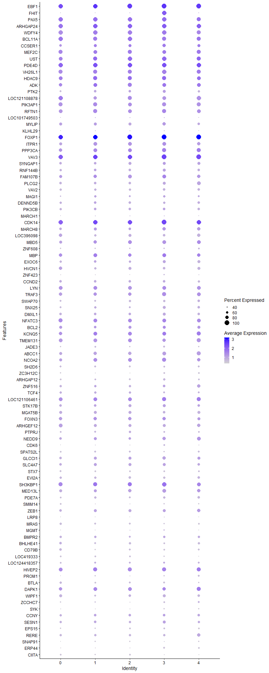
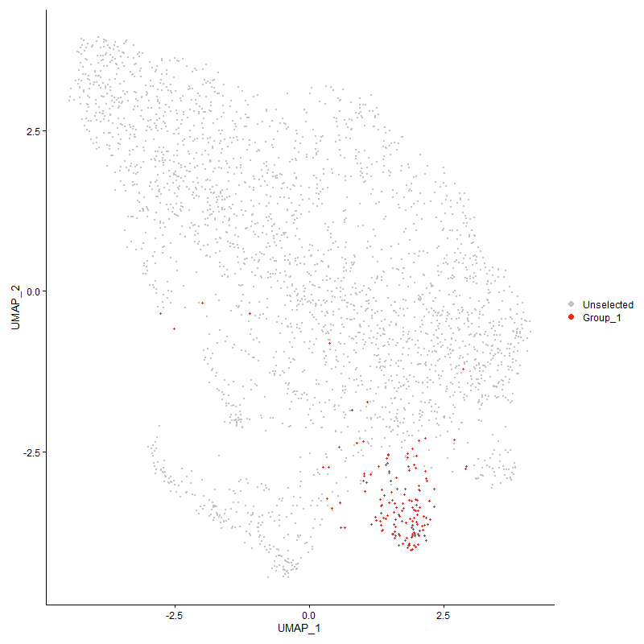
 | p_val | avg_log2FC | pct.1 | pct.2 | p_val_adj | cluster | gene
EBF13 | 3.3789847956E-157 | 2.2975558201 | 1 | 0.18 | 5.1600476813E-153 | 3 | EBF1
FHIT1 | 1.4300490468E-150 | 2.2460119606 | 0.993 | 0.228 | 2.1838278994E-146 | 3 | FHIT
PAX53 | 1.4285461422E-149 | 1.8691254791 | 0.974 | 0.172 | 2.1815328138E-145 | 3 | PAX5
ARHGAP243 | 3.3496545123E-104 | 1.8575509825 | 0.993 | 0.296 | 5.1152574057E-100 | 3 | ARHGAP24
WDFY43 | 1.3848938902E-135 | 1.733116092 | 0.987 | 0.208 | 2.1148714598E-131 | 3 | WDFY4
BCL11A3 | 6.7262817256E-119 | 1.6408275092 | 0.901 | 0.175 | 1.0271704823E-114 | 3 | BCL11A
CCSER13 | 2.0556294091E-69 | 1.6058965897 | 0.788 | 0.234 | 3.1391516706E-65 | 3 | CCSER1
MEF2C3 | 1.4841101727E-93 | 1.5804101168 | 0.874 | 0.217 | 2.2663846447E-89 | 3 | MEF2C
UST3 | 2.34042095E-66 | 1.530753956 | 0.947 | 0.391 | 3.5740568327E-62 | 3 | UST
PDE4D3 | 7.2715668928E-57 | 1.5110779584 | 0.98 | 0.512 | 1.1104409802E-52 | 3 | PDE4D
VH26L13 | 7.5790199428E-141 | 1.5065632289 | 0.947 | 0.167 | 1.1573921355E-136 | 3 | VH26L1
HDAC93 | 4.6067857328E-54 | 1.3632934872 | 0.934 | 0.386 | 7.0350224925E-50 | 3 | HDAC9
ADK3 | 2.9203115742E-46 | 1.3290257408 | 0.861 | 0.371 | 4.4596078049E-42 | 3 | ADK
PTK23 | 7.7038366945E-71 | 1.2208583814 | 0.709 | 0.175 | 1.1764529016E-66 | 3 | PTK2
LOC1211088783 | 1.3883324902E-89 | 1.1556617291 | 0.874 | 0.204 | 2.1201225458E-85 | 3 | LOC121108878
PIK3AP13 | 5.765959698E-63 | 1.1551665202 | 0.894 | 0.316 | 8.8051970548E-59 | 3 | PIK3AP1
RFTN13 | 1.4355315938E-45 | 1.1283711127 | 0.914 | 0.457 | 2.1922002969E-41 | 3 | RFTN1
LOC1017495033 | 8.136553986E-59 | 1.1220408019 | 0.364 | 0.056 | 1.2425331592E-54 | 3 | LOC101749503
MYLIP3 | 1.3636727612E-49 | 1.1123651787 | 0.795 | 0.305 | 2.0824646737E-45 | 3 | MYLIP
KLHL293 | 6.0535792991E-45 | 1.0997349427 | 0.391 | 0.081 | 9.2444209477E-41 | 3 | KLHL29
FOXP13 | 9.3119413845E-51 | 1.0815027835 | 1 | 0.976 | 1.4220265688E-46 | 3 | FOXP1
ITPR13 | 6.4585449184E-44 | 1.0746062893 | 0.841 | 0.365 | 9.8628439449E-40 | 3 | ITPR1
PPP3CA3 | 1.3719933542E-38 | 1.0629211845 | 0.901 | 0.478 | 2.0951710511E-34 | 3 | PPP3CA
VAV33 | 4.9010466281E-38 | 1.0537968147 | 1 | 0.85 | 7.4843883058E-34 | 3 | VAV3
SYNGAP13 | 7.4080341342E-43 | 1.037509188 | 0.748 | 0.309 | 1.1312808926E-38 | 3 | SYNGAP1
RNF144B3 | 2.7846548953E-43 | 0.98446889277 | 0.728 | 0.271 | 4.2524464906E-39 | 3 | RNF144B
FAM107B3 | 3.0574185002E-21 | 0.98159212139 | 0.828 | 0.559 | 4.6689837917E-17 | 3 | FAM107B
PLCG23 | 1.2868980021E-60 | 0.97746233768 | 0.742 | 0.214 | 1.965221939E-56 | 3 | PLCG2
VAV23 | 9.5918726596E-92 | 0.96802283497 | 0.675 | 0.124 | 1.4647748739E-87 | 3 | VAV2
MAGI13 | 1.3331854851E-44 | 0.92782024177 | 0.642 | 0.196 | 2.0359075543E-40 | 3 | MAGI1
DENND5B3 | 6.7894952561E-77 | 0.90788073051 | 0.629 | 0.122 | 1.0368238206E-72 | 3 | DENND5B
PIK3CB3 | 9.3570852585E-29 | 0.90111967332 | 0.702 | 0.33 | 1.4289204898E-24 | 3 | PIK3CB
MARCH13 | 1.8744717478E-18 | 0.8818581487 | 0.384 | 0.147 | 2.8625058061E-14 | 3 | MARCH1
CDK143 | 1.1303712648E-25 | 0.86452424427 | 1 | 0.774 | 1.7261899584E-21 | 3 | CDK14
MARCH83 | 7.1853006757E-27 | 0.85902549932 | 0.768 | 0.41 | 1.0972672662E-22 | 3 | MARCH8
LOC3960983 | 4.3280771602E-87 | 0.85089621218 | 0.702 | 0.132 | 6.6094066313E-83 | 3 | LOC396098
MBD53 | 5.8363432122E-32 | 0.85052974575 | 0.834 | 0.452 | 8.9126797193E-28 | 3 | MBD5
ZNF6083 | 1.9301125276E-50 | 0.85052431891 | 0.457 | 0.096 | 2.9474748409E-46 | 3 | ZNF608
MBP3 | 1.9461364834E-21 | 0.82744896143 | 0.881 | 0.669 | 2.9719450238E-17 | 3 | MBP
EXOC63 | 2.0935898415E-32 | 0.81135964354 | 0.742 | 0.333 | 3.197121047E-28 | 3 | EXOC6
HVCN13 | 7.9514388916E-56 | 0.80766713684 | 0.656 | 0.17 | 1.2142642331E-51 | 3 | HVCN1
ZNF4233 | 2.0658615446E-32 | 0.79438150787 | 0.45 | 0.13 | 3.1547771648E-28 | 3 | ZNF423
CCND23 | 6.1467737645E-32 | 0.78391150376 | 0.709 | 0.303 | 9.3867382158E-28 | 3 | CCND2
LYN3 | 3.3959128314E-35 | 0.77858521513 | 0.881 | 0.349 | 5.1858984848E-31 | 3 | LYN
TRAF33 | 1.9525930782E-24 | 0.76105779085 | 0.901 | 0.57 | 2.9818048898E-20 | 3 | TRAF3
SWAP703 | 1.2839396395E-48 | 0.75316259562 | 0.616 | 0.169 | 1.9607042234E-44 | 3 | SWAP70
SNX253 | 2.3621186504E-32 | 0.74970842914 | 0.722 | 0.296 | 3.6071913911E-28 | 3 | SNX25
DMXL13 | 1.2771759425E-29 | 0.74857341677 | 0.728 | 0.33 | 1.9503753818E-25 | 3 | DMXL1
NFATC33 | 1.297071621E-17 | 0.74726340577 | 0.881 | 0.684 | 1.9807580724E-13 | 3 | NFATC3
BCL23 | 2.6334043199E-20 | 0.74280127092 | 0.748 | 0.419 | 4.0214717369E-16 | 3 | BCL2
KCNQ52 | 2.5156751608E-18 | 0.73697145146 | 0.881 | 0.609 | 3.8416875381E-14 | 3 | KCNQ5
TMEM1313 | 1.4876777326E-20 | 0.72458920513 | 0.801 | 0.527 | 2.2718326654E-16 | 3 | TMEM131
JADE33 | 1.0420132755E-30 | 0.70626379485 | 0.576 | 0.207 | 1.591258473E-26 | 3 | JADE3
ABCC13 | 1.2501842025E-25 | 0.70104362123 | 0.841 | 0.465 | 1.9091562956E-21 | 3 | ABCC1
NCOA22 | 8.0641895211E-24 | 0.69964945462 | 0.914 | 0.627 | 1.2314823818E-19 | 3 | NCOA2
SH2D63 | 1.4284462249E-35 | 0.69841401502 | 0.517 | 0.152 | 2.18138023E-31 | 3 | SH2D6
ZC3H12C3 | 1.0388080401E-59 | 0.6962543333 | 0.517 | 0.107 | 1.586363758E-55 | 3 | ZC3H12C
ARHGAP123 | 4.1555310597E-28 | 0.69179613718 | 0.603 | 0.232 | 6.3459114813E-24 | 3 | ARHGAP12
ZNF5163 | 1.8427196985E-30 | 0.68982866841 | 0.702 | 0.269 | 2.8140172516E-26 | 3 | ZNF516
TCF43 | 1.1172470351E-31 | 0.68894581749 | 0.563 | 0.188 | 1.7061479473E-27 | 3 | TCF4
LOC1211064612 | 9.3989155957E-20 | 0.68894581749 | 0.934 | 0.619 | 1.4353084006E-15 | 3 | LOC121106461
STK17B3 | 1.664203279E-18 | 0.6885378767 | 0.748 | 0.447 | 2.5414048274E-14 | 3 | STK17B
MGAT5B3 | 5.9309427837E-30 | 0.68852400152 | 0.689 | 0.3 | 9.057142725E-26 | 3 | MGAT5B
FOXN33 | 1.6638217769E-14 | 0.68167980482 | 0.815 | 0.614 | 2.5408222354E-10 | 3 | FOXN3
ARHGEF123 | 9.3076712104E-29 | 0.67900098052 | 0.709 | 0.304 | 1.4213744705E-24 | 3 | ARHGEF12
PTPRJ3 | 3.138971345E-23 | 0.67855581384 | 0.497 | 0.187 | 4.793523141E-19 | 3 | PTPRJ
NEDD93 | 3.6725276741E-17 | 0.67136479453 | 0.775 | 0.499 | 5.6083170111E-13 | 3 | NEDD9
CDK62 | 1.1847512403E-20 | 0.65442712126 | 0.51 | 0.213 | 1.8092336191E-16 | 3 | CDK6
SPATS2L3 | 1.8358931087E-36 | 0.65005142373 | 0.437 | 0.111 | 2.8035923663E-32 | 3 | SPATS2L
GLCCI13 | 5.7057190345E-22 | 0.63978434979 | 0.795 | 0.429 | 8.7132035376E-18 | 3 | GLCCI1
SLC4A73 | 7.989239471E-15 | 0.62409653486 | 0.728 | 0.466 | 1.2200367596E-10 | 3 | SLC4A7
STX73 | 2.2852104986E-45 | 0.6234140375 | 0.49 | 0.118 | 3.4897449524E-41 | 3 | STX7
EVI2A3 | 8.6120463197E-39 | 0.6180774081 | 0.603 | 0.186 | 1.3151455935E-34 | 3 | EVI2A
SH3KBP12 | 4.6502401397E-21 | 0.61630387011 | 0.96 | 0.798 | 7.1013817173E-17 | 3 | SH3KBP1
MED13L3 | 5.5517034569E-19 | 0.61241488767 | 0.868 | 0.552 | 8.478006349E-15 | 3 | MED13L
PDE7A3 | 4.0751029348E-22 | 0.61129955283 | 0.623 | 0.279 | 6.2230896918E-18 | 3 | PDE7A
SMIM143 | 5.7338204075E-36 | 0.61122352206 | 0.45 | 0.122 | 8.7561171442E-32 | 3 | SMIM14
ZEB13 | 1.8165110654E-14 | 0.60720586954 | 0.748 | 0.512 | 2.773994048E-10 | 3 | ZEB1
LRP83 | 7.9966908322E-40 | 0.60604998473 | 0.364 | 0.076 | 1.221174657E-35 | 3 | LRP8
MRAS3 | 2.6157480114E-32 | 0.60100989436 | 0.457 | 0.133 | 3.9945087882E-28 | 3 | MRAS
MGMT1 | 1.2109657159E-12 | 0.59918466656 | 0.457 | 0.237 | 1.8492657448E-08 | 3 | MGMT
BMPR23 | 4.7335141102E-11 | 0.59786861276 | 0.609 | 0.372 | 7.2285493976E-07 | 3 | BMPR2
BHLHE413 | 5.3622896608E-38 | 0.59647176705 | 0.517 | 0.143 | 8.188752541E-34 | 3 | BHLHE41
CD79B3 | 2.0075555577E-44 | 0.58875441791 | 0.497 | 0.12 | 3.0657380921E-40 | 3 | CD79B
LOC4193333 | 1.5659388903E-36 | 0.58651191804 | 0.411 | 0.099 | 2.3913452793E-32 | 3 | LOC419333
LOC1244183572 | 7.0632680672E-12 | 0.58565518113 | 0.589 | 0.353 | 1.0786316665E-07 | 3 | LOC124418357
HIVEP23 | 3.638685229E-12 | 0.58241478568 | 0.907 | 0.72 | 5.5566362132E-08 | 3 | HIVEP2
PROM13 | 1.3854032E-46 | 0.56668499254 | 0.437 | 0.093 | 2.1156492268E-42 | 3 | PROM1
BTLA3 | 2.6611200733E-37 | 0.56643418338 | 0.57 | 0.169 | 4.0637964639E-33 | 3 | BTLA
DAPK12 | 6.3914022872E-09 | 0.55758521879 | 0.808 | 0.698 | 9.7603104328E-05 | 3 | DAPK1
WIPF13 | 1.3379710348E-20 | 0.55542967056 | 0.748 | 0.422 | 2.0432155672E-16 | 3 | WIPF1
ZCCHC73 | 8.1560806746E-21 | 0.55282694087 | 0.497 | 0.202 | 1.2455150798E-16 | 3 | ZCCHC7
SYK3 | 3.4784000159E-32 | 0.54650192425 | 0.411 | 0.109 | 5.3118646643E-28 | 3 | SYK
CCNY2 | 1.079666374E-08 | 0.5432114365 | 0.656 | 0.483 | 0.00016487585198 | 3 | CCNY
SESN12 | 3.9507579437E-12 | 0.54289786162 | 0.722 | 0.448 | 6.0332024558E-08 | 3 | SESN1
EPS153 | 2.3745495479E-19 | 0.54204202899 | 0.497 | 0.218 | 3.6261746146E-15 | 3 | EPS15
RERE3 | 5.4173967616E-17 | 0.5398468822 | 0.649 | 0.358 | 8.2729065947E-13 | 3 | RERE
SNAP913 | 1.2189268381E-23 | 0.53487912056 | 0.384 | 0.122 | 1.8614231744E-19 | 3 | SNAP91
ERP443 | 1.392077811E-24 | 0.53231506933 | 0.53 | 0.205 | 2.1258420251E-20 | 3 | ERP44
CIITA3 | 2.257650908E-31 | 0.5242961149 | 0.364 | 0.09 | 3.4476587016E-27 | 3 | CIITA
ZNRF23 | 5.6661178246E-12 | 0.52390463914 | 0.868 | 0.668 | 8.65272853E-08 | 3 | ZNRF2
IKZF33 | 3.6883447714E-20 | 0.51899360414 | 0.649 | 0.311 | 5.6324713004E-16 | 3 | IKZF3
RAB39B3 | 1.0997707179E-16 | 0.51667905338 | 0.411 | 0.169 | 1.6794598634E-12 | 3 | RAB39B
ARID1B2 | 9.3592381246E-14 | 0.51630717946 | 0.96 | 0.94 | 1.429249254E-09 | 3 | ARID1B
CMSS1 | 3.797197766E-09 | 0.51194100788 | 0.437 | 0.24 | 5.7987007084E-05 | 3 | CMSS1
SBF23 | 4.7870146604E-14 | 0.51043363922 | 0.404 | 0.178 | 7.310250088E-10 | 3 | SBF2
PXYLP13 | 1.7965121644E-15 | 0.50778604996 | 0.397 | 0.161 | 2.7434537263E-11 | 3 | PXYLP1
ERCC63 | 8.008857512E-14 | 0.50726736827 | 0.444 | 0.204 | 1.2230326307E-09 | 3 | ERCC6
LAMC13 | 3.4285417432E-29 | 0.50478296807 | 0.477 | 0.151 | 5.2357260961E-25 | 3 | LAMC1
DCBLD23 | 6.421966931E-20 | 0.50446109139 | 0.344 | 0.112 | 9.8069857003E-16 | 3 | DCBLD2
MAML22 | 1.044668961E-05 | 0.50206108504 | 0.338 | 0.204 | 0.15953139703 | 3 | MAML2
DGKD3 | 4.9312672502E-16 | 0.50173559082 | 0.735 | 0.44 | 7.5305382178E-12 | 3 | DGKD
CTBP23 | 3.5102044674E-18 | 0.49835778439 | 0.258 | 0.073 | 5.3604332422E-14 | 3 | CTBP2
KIAA11093 | 2.9478175077E-15 | 0.49752152054 | 0.649 | 0.359 | 4.5016121159E-11 | 3 | KIAA1109
BLB13 | 2.6061548839E-28 | 0.49697299494 | 0.768 | 0.292 | 3.9798591232E-24 | 3 | BLB1
ATXN73 | 2.9096348096E-10 | 0.49330828963 | 0.464 | 0.265 | 4.4433033178E-06 | 3 | ATXN7
BCL7A3 | 4.7288046842E-20 | 0.48837137619 | 0.411 | 0.152 | 7.2213576332E-16 | 3 | BCL7A
CUL51 | 3.1798975382E-15 | 0.48768135432 | 0.517 | 0.259 | 4.8560215305E-11 | 3 | CUL5
PRKCB3 | 1.5460437391E-19 | 0.48461995665 | 0.53 | 0.229 | 2.3609633939E-15 | 3 | PRKCB
KLF23 | 1.313778085E-14 | 0.48436838359 | 0.55 | 0.284 | 2.0062705135E-10 | 3 | KLF2
STT3B1 | 2.4358917043E-09 | 0.48430904883 | 0.51 | 0.305 | 3.7198502216E-05 | 3 | STT3B
LOC1008596021 | 1.0837049654E-08 | 0.48402702128 | 0.861 | 0.776 | 0.00016549258526 | 3 | LOC100859602
CUL32 | 1.0982696925E-12 | 0.48125251962 | 0.675 | 0.408 | 1.6771676474E-08 | 3 | CUL3
DAPP13 | 1.6854664648E-20 | 0.48082090996 | 0.47 | 0.179 | 2.5738758384E-16 | 3 | DAPP1
RASGRP33 | 1.7822752094E-40 | 0.4788451599 | 0.437 | 0.1 | 2.7217124723E-36 | 3 | RASGRP3
DPH61 | 0.00024210425585 | 0.47745221081 | 0.291 | 0.189 | 1 | 3 | DPH6
SP43 | 3.1492307069E-13 | 0.47697474464 | 0.51 | 0.27 | 4.8091902126E-09 | 3 | SP4
PSPC1 | 1.0214623275E-09 | 0.4760624801 | 0.755 | 0.549 | 1.5598751203E-05 | 3 | PSPC1
ATP9B2 | 4.0824839573E-08 | 0.47495487605 | 0.656 | 0.471 | 0.00062343612512 | 3 | ATP9B
BCR3 | 2.5327274483E-21 | 0.47290360186 | 0.629 | 0.278 | 3.8677280862E-17 | 3 | BCR
BIN12 | 1.4380436684E-15 | 0.47244030589 | 0.391 | 0.16 | 2.196036486E-11 | 3 | BIN1
CHST153 | 1.9197349418E-32 | 0.46937470331 | 0.265 | 0.051 | 2.9316272296E-28 | 3 | CHST15
PPP2R5C2 | 4.9386025016E-10 | 0.46336893229 | 0.616 | 0.403 | 7.5417398801E-06 | 3 | PPP2R5C
STK38L2 | 2.2456907546E-10 | 0.46236816074 | 0.656 | 0.435 | 3.4293943514E-06 | 3 | STK38L
...

Cluster4
...



