Clustered cells
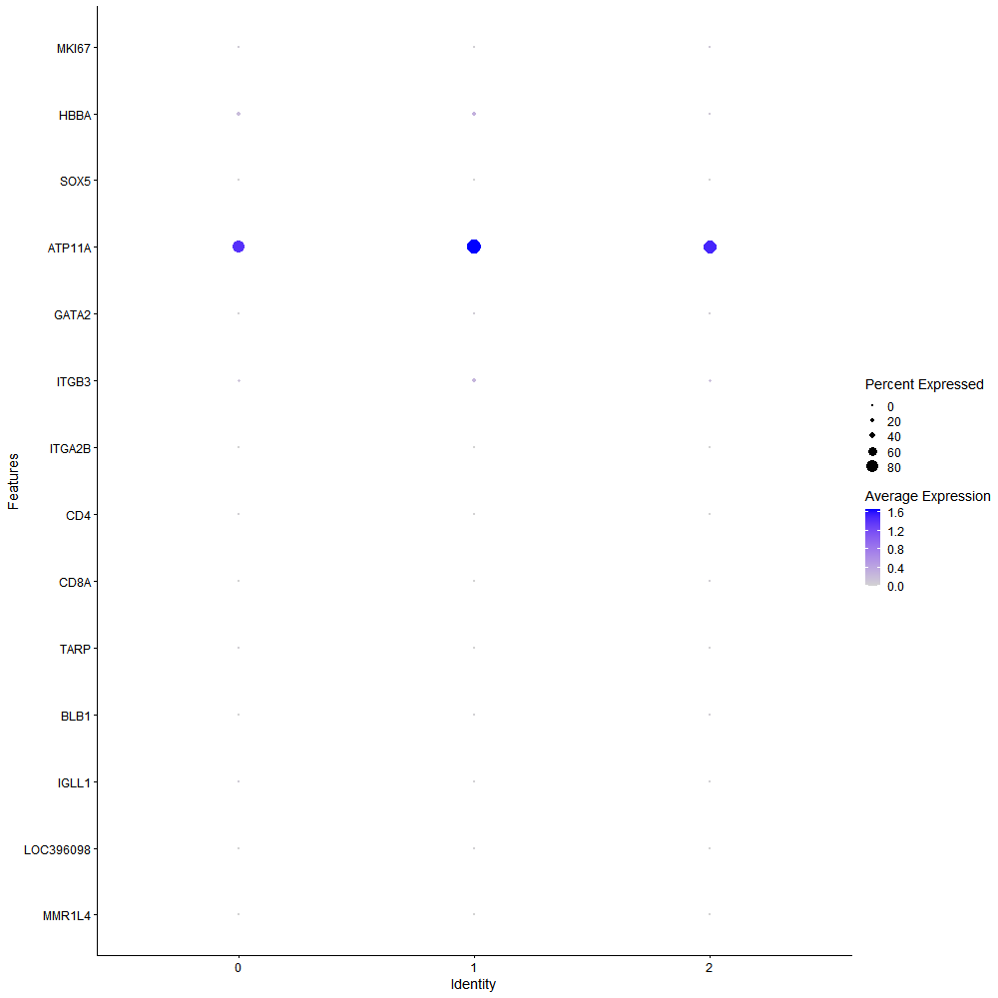
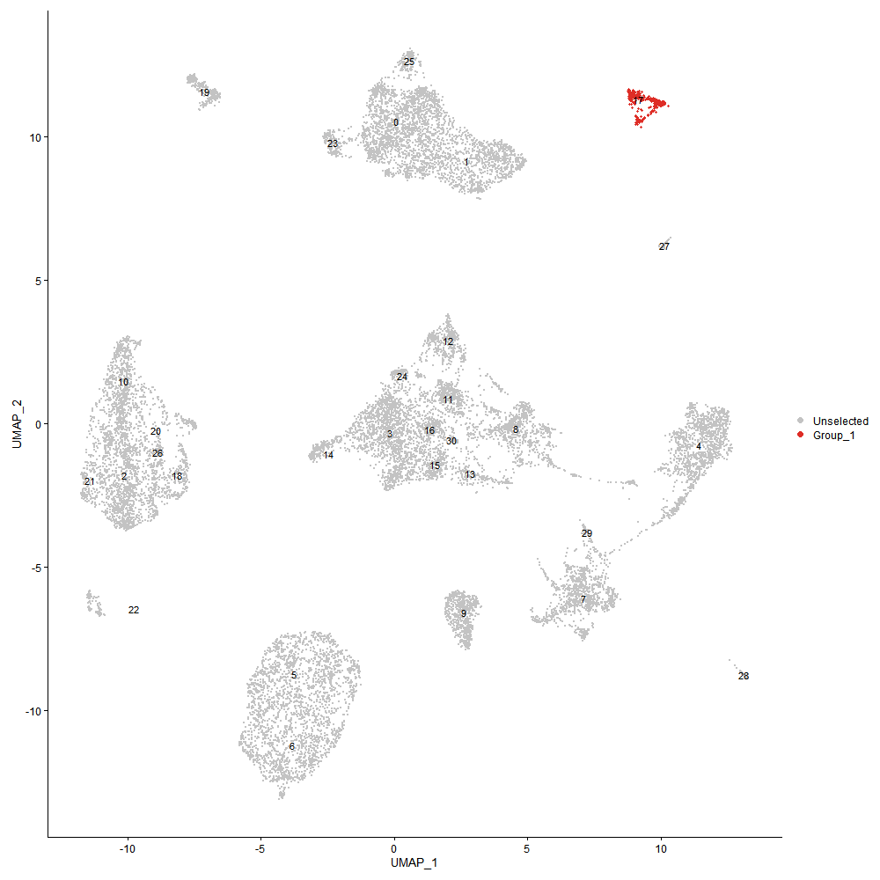
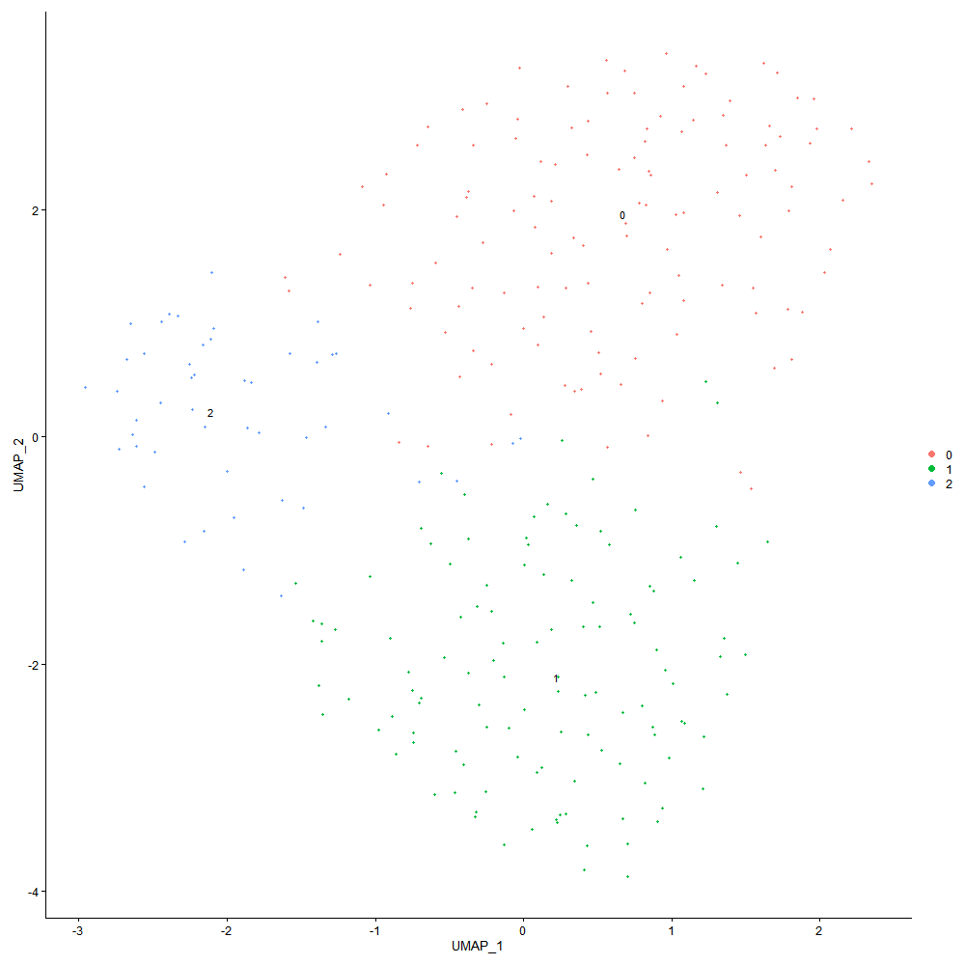

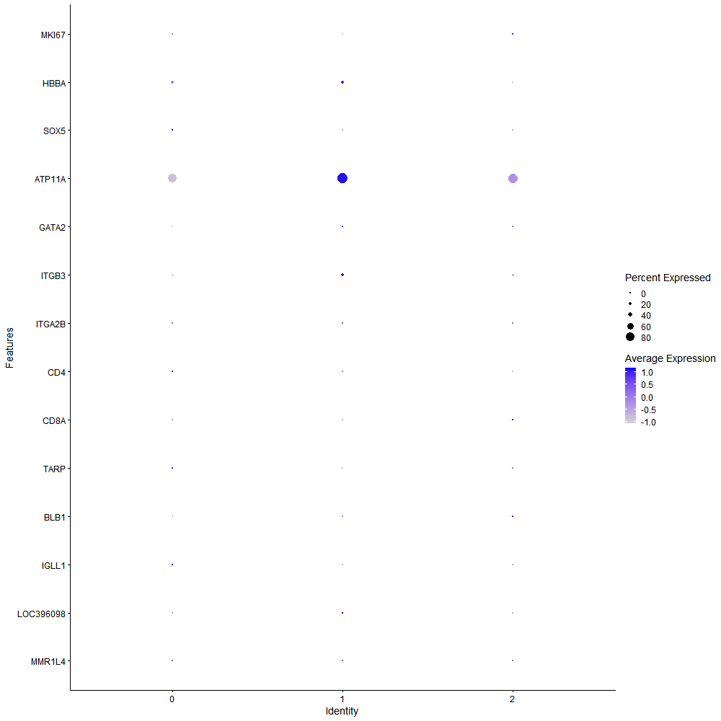
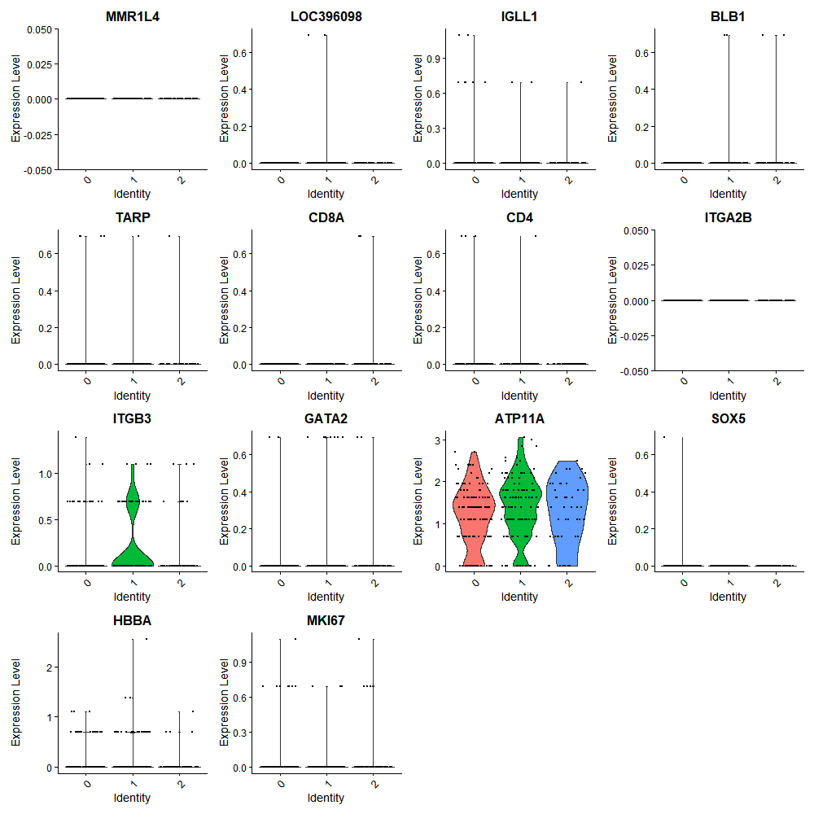

Cluster0
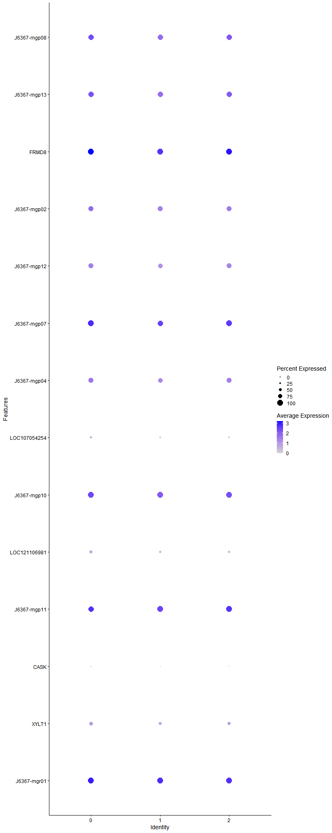
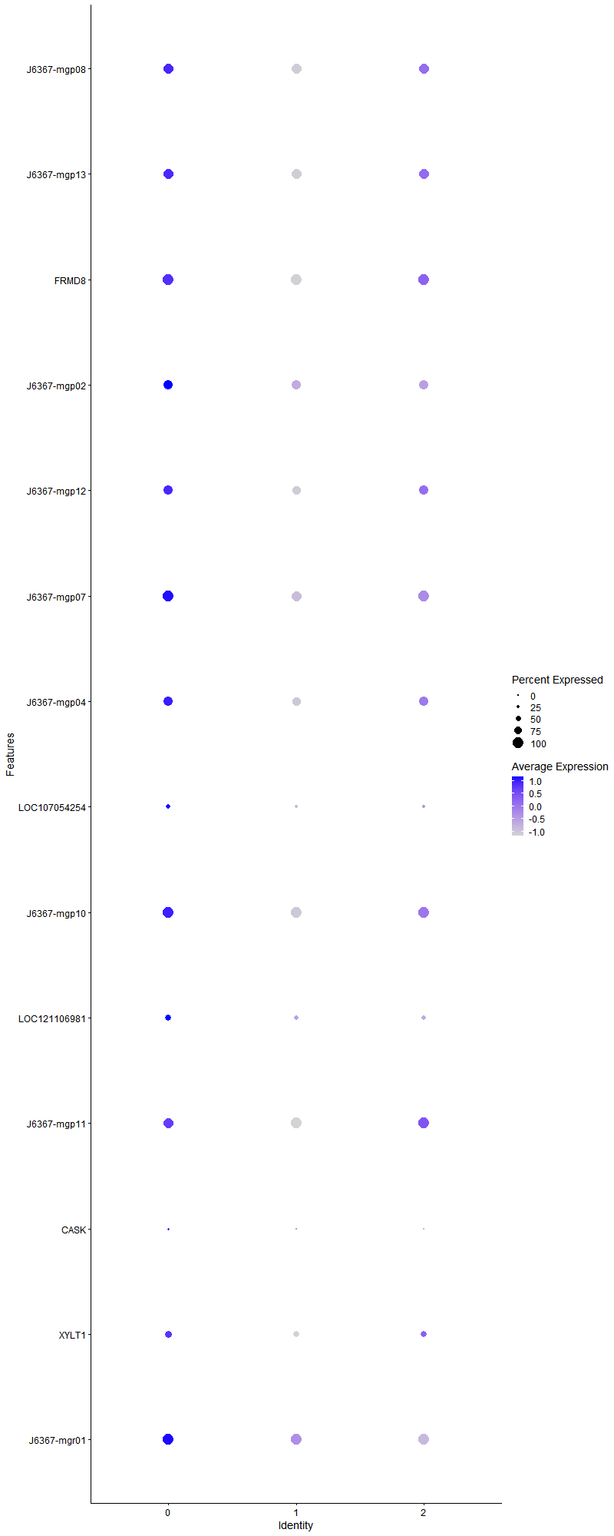
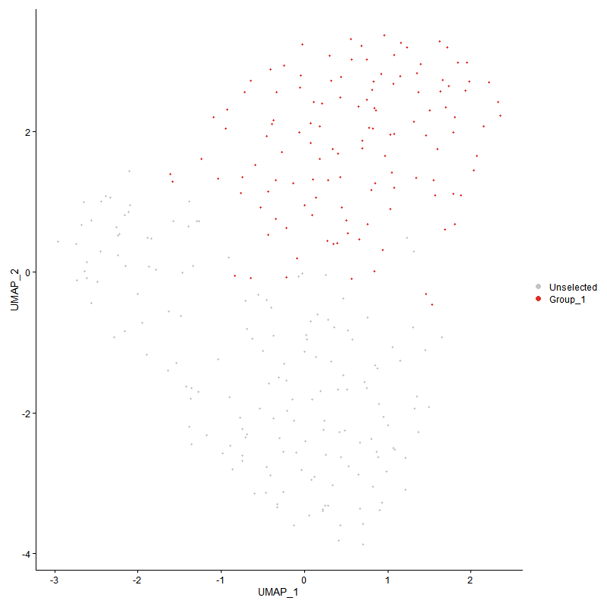
 | p_val | avg_log2FC | pct.1 | pct.2 | p_val_adj | cluster | gene
J6367-mgp08 | 6.4069305958E-07 | 0.6195521992 | 0.984 | 0.945 | 0.0097840237129 | 0 | J6367-mgp08
J6367-mgp13 | 3.6730364536E-07 | 0.57145302659 | 0.976 | 0.976 | 0.0056090939683 | 0 | J6367-mgp13
FRMD8 | 7.8097141228E-08 | 0.51802873147 | 1 | 1 | 0.0011926214437 | 0 | FRMD8
J6367-mgp02 | 0.00064371344956 | 0.49905129553 | 0.921 | 0.861 | 1 | 0 | J6367-mgp02
J6367-mgp12 | 0.00074424866394 | 0.41311005071 | 0.881 | 0.806 | 1 | 0 | J6367-mgp12
J6367-mgp07 | 0.00062938186643 | 0.40747299615 | 1 | 0.988 | 1 | 0 | J6367-mgp07
J6367-mgp04 | 0.0052762958835 | 0.40284809027 | 0.857 | 0.855 | 1 | 0 | J6367-mgp04
LOC107054254 | 0.00083684925197 | 0.36967696588 | 0.429 | 0.255 | 1 | 0 | LOC107054254
J6367-mgp10 | 0.00098698658254 | 0.35749003049 | 1 | 1 | 1 | 0 | J6367-mgp10
LOC121106981 | 0.0045403562283 | 0.34935858927 | 0.54 | 0.43 | 1 | 0 | LOC121106981
J6367-mgp11 | 0.005390112156 | 0.32478638147 | 0.992 | 1 | 1 | 0 | J6367-mgp11
CASK | 0.0014200768985 | 0.32113822624 | 0.167 | 0.055 | 1 | 0 | CASK
XYLT1 | 0.0098623945004 | 0.31699849588 | 0.627 | 0.539 | 1 | 0 | XYLT1
J6367-mgr01 | 0.0062074735001 | 0.26675391075 | 1 | 1 | 1 | 0 | J6367-mgr01

Cluster1
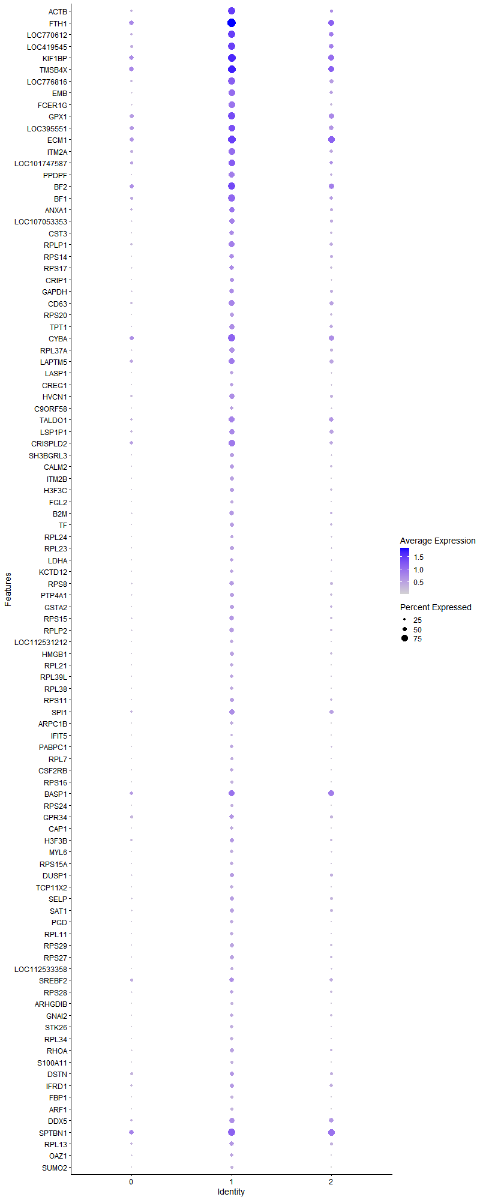
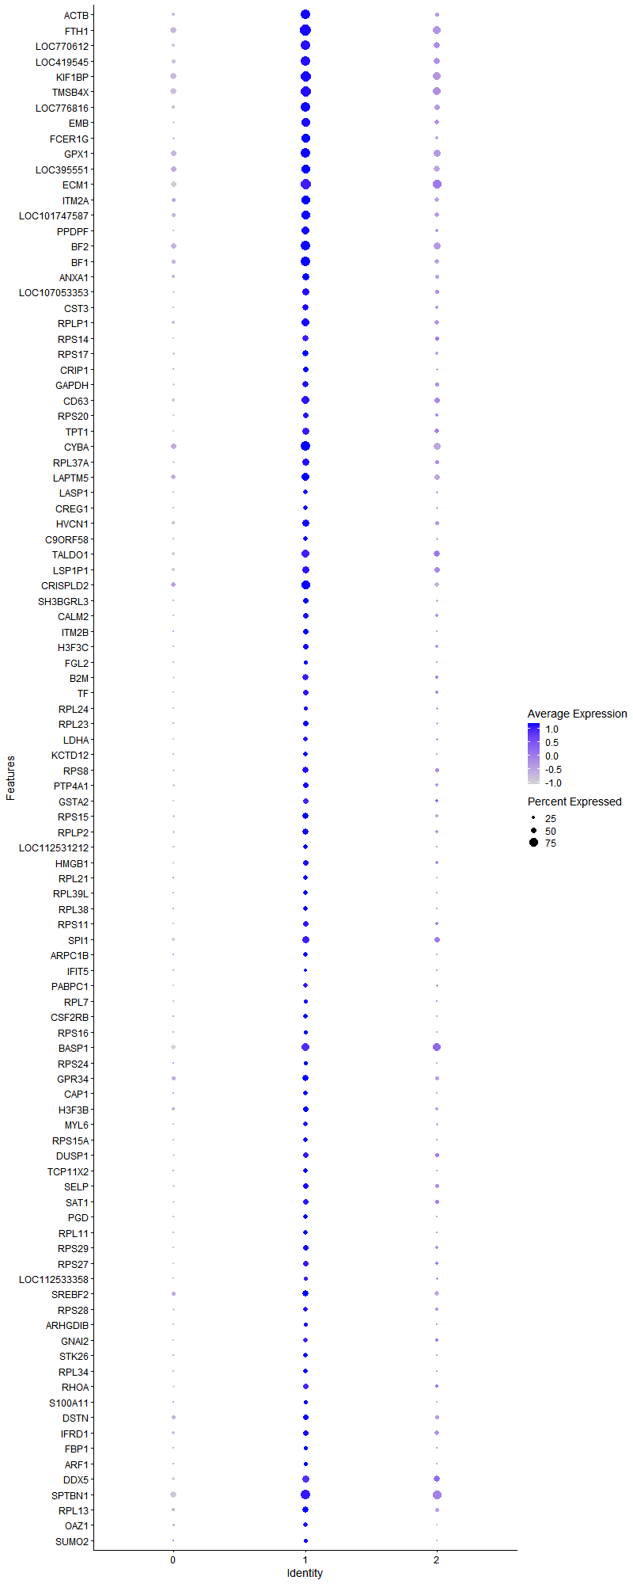
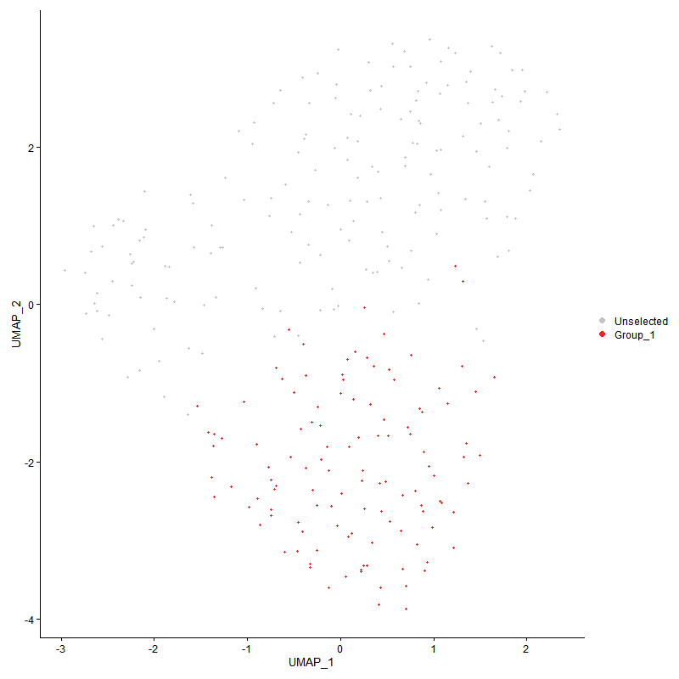
 | p_val | avg_log2FC | pct.1 | pct.2 | p_val_adj | cluster | gene
ACTB | 8.4436392498E-27 | 1.4696788687 | 0.863 | 0.293 | 1.2894281498E-22 | 1 | ACTB
FTH1 | 1.5226798192E-29 | 1.3681082629 | 0.974 | 0.603 | 2.3252843518E-25 | 1 | FTH1
LOC770612 | 8.9553960611E-24 | 1.3010328706 | 0.872 | 0.356 | 1.3675785325E-19 | 1 | LOC770612
LOC419545 | 7.0618705248E-23 | 1.2931554099 | 0.855 | 0.374 | 1.0784182478E-18 | 1 | LOC419545
KIF1BP | 1.1047331165E-22 | 1.2012626544 | 0.94 | 0.626 | 1.6870379423E-18 | 1 | KIF1BP
TMSB4X | 2.7560995629E-20 | 1.169993018 | 0.923 | 0.598 | 4.2088396425E-16 | 1 | TMSB4X
LOC776816 | 6.4909583963E-24 | 1.1271676279 | 0.838 | 0.293 | 9.9123425669E-20 | 1 | LOC776816
EMB | 8.7951661338E-24 | 1.0809199954 | 0.803 | 0.247 | 1.3431098203E-19 | 1 | EMB
FCER1G | 2.3247660321E-23 | 1.0438844952 | 0.761 | 0.23 | 3.5501502077E-19 | 1 | FCER1G
GPX1 | 2.7638381046E-19 | 1.0425617981 | 0.872 | 0.5 | 4.2206571696E-15 | 1 | GPX1
LOC395551 | 1.3712124153E-13 | 1.0100536647 | 0.795 | 0.506 | 2.0939784794E-09 | 1 | LOC395551
ECM1 | 1.9241918231E-16 | 0.95166529295 | 0.915 | 0.552 | 2.938433333E-12 | 1 | ECM1
ITM2A | 1.7881859603E-17 | 0.92889800081 | 0.769 | 0.339 | 2.73073878E-13 | 1 | ITM2A
LOC101747587 | 5.3272677605E-16 | 0.92288867252 | 0.821 | 0.385 | 8.135270597E-12 | 1 | LOC101747587
PPDPF | 3.4711204829E-19 | 0.91534037457 | 0.675 | 0.178 | 5.3007480894E-15 | 1 | PPDPF
BF2 | 1.4318787147E-15 | 0.90002991059 | 0.897 | 0.511 | 2.1866219852E-11 | 1 | BF2
BF1 | 5.7031072542E-17 | 0.88936356788 | 0.829 | 0.362 | 8.7092150879E-13 | 1 | BF1
ANXA1 | 2.1003794809E-11 | 0.84225063402 | 0.641 | 0.287 | 3.2074895052E-07 | 1 | ANXA1
LOC107053353 | 3.1316182685E-15 | 0.80319170441 | 0.65 | 0.201 | 4.7822942578E-11 | 1 | LOC107053353
CST3 | 5.2731472331E-16 | 0.78502839435 | 0.59 | 0.149 | 8.0526231397E-12 | 1 | CST3
RPLP1 | 1.1575531062E-14 | 0.78186761033 | 0.692 | 0.282 | 1.7676993485E-10 | 1 | RPLP1
RPS14 | 2.1341338257E-14 | 0.77810898041 | 0.556 | 0.149 | 3.2590357652E-10 | 1 | RPS14
RPS17 | 1.0069910898E-14 | 0.77719649587 | 0.59 | 0.178 | 1.5377760932E-10 | 1 | RPS17
CRIP1 | 4.3163173074E-12 | 0.70942964448 | 0.496 | 0.138 | 6.5914481601E-08 | 1 | CRIP1
GAPDH | 7.8945392873E-11 | 0.6589196252 | 0.59 | 0.23 | 1.2055750946E-06 | 1 | GAPDH
CD63 | 5.7310236089E-13 | 0.64129152635 | 0.718 | 0.316 | 8.7518461531E-09 | 1 | CD63
RPS20 | 1.0530447652E-13 | 0.62972268337 | 0.504 | 0.109 | 1.6081046609E-09 | 1 | RPS20
TPT1 | 7.8809354267E-16 | 0.62891676042 | 0.667 | 0.201 | 1.203497649E-11 | 1 | TPT1
CYBA | 1.1518294333E-10 | 0.62176632589 | 0.846 | 0.552 | 1.7589587276E-06 | 1 | CYBA
RPL37A | 8.8599009262E-15 | 0.61174937355 | 0.65 | 0.201 | 1.3529954704E-10 | 1 | RPL37A
LAPTM5 | 2.9735311108E-09 | 0.6031670961 | 0.718 | 0.431 | 4.5408793592E-05 | 1 | LAPTM5
LASP1 | 1.0136212029E-13 | 0.59566238938 | 0.41 | 0.057 | 1.5479009389E-09 | 1 | LASP1
CREG1 | 1.6157016502E-10 | 0.59438314658 | 0.427 | 0.109 | 2.4673379899E-06 | 1 | CREG1
HVCN1 | 9.1739027399E-11 | 0.58490957818 | 0.632 | 0.264 | 1.4009466874E-06 | 1 | HVCN1
C9ORF58 | 2.734864971E-11 | 0.58003458118 | 0.436 | 0.109 | 4.1764122973E-07 | 1 | C9ORF58
TALDO1 | 3.0497339091E-10 | 0.57801266232 | 0.709 | 0.356 | 4.6572486527E-06 | 1 | TALDO1
LSP1P1 | 1.1660053306E-08 | 0.57257877627 | 0.607 | 0.316 | 0.00017806067404 | 1 | LSP1P1
CRISPLD2 | 4.1524680952E-12 | 0.57257877627 | 0.803 | 0.391 | 6.3412340282E-08 | 1 | CRISPLD2
SH3BGRL3 | 9.3406890374E-12 | 0.56541898469 | 0.504 | 0.138 | 1.4264166229E-07 | 1 | SH3BGRL3
CALM2 | 1.1604373216E-10 | 0.55883871964 | 0.504 | 0.161 | 1.7721038339E-06 | 1 | CALM2
ITM2B | 3.6875766276E-11 | 0.55066399984 | 0.47 | 0.132 | 5.631298268E-07 | 1 | ITM2B
H3F3C | 4.9377430201E-11 | 0.54415036794 | 0.487 | 0.138 | 7.540427366E-07 | 1 | H3F3C
FGL2 | 1.0234567058E-09 | 0.54104320283 | 0.316 | 0.052 | 1.5629207355E-05 | 1 | FGL2
B2M | 2.8969282958E-11 | 0.52571217123 | 0.581 | 0.19 | 4.4238992005E-07 | 1 | B2M
TF | 8.091505145E-10 | 0.52366917578 | 0.487 | 0.161 | 1.2356537507E-05 | 1 | TF
RPL24 | 5.9659321696E-09 | 0.51899773606 | 0.35 | 0.08 | 9.1105750162E-05 | 1 | RPL24
RPL23 | 3.1100684482E-10 | 0.5142801357 | 0.479 | 0.149 | 4.7493855273E-06 | 1 | RPL23
LDHA | 1.9690414499E-09 | 0.50715570127 | 0.427 | 0.115 | 3.0069231982E-05 | 1 | LDHA
KCTD12 | 1.331583863E-09 | 0.50476339204 | 0.41 | 0.109 | 2.0334617173E-05 | 1 | KCTD12
RPS8 | 3.9420173956E-09 | 0.497528071 | 0.538 | 0.218 | 6.0198547648E-05 | 1 | RPS8
PTP4A1 | 1.2223278713E-09 | 0.49533577733 | 0.513 | 0.184 | 1.8666168922E-05 | 1 | PTP4A1
GSTA2 | 1.7143608512E-10 | 0.49495787914 | 0.487 | 0.138 | 2.6180004558E-06 | 1 | GSTA2
RPS15 | 3.0712701518E-09 | 0.49350720527 | 0.556 | 0.224 | 4.6901366488E-05 | 1 | RPS15
RPLP2 | 8.4579715888E-10 | 0.48972184386 | 0.538 | 0.19 | 1.2916168413E-05 | 1 | RPLP2
LOC112531212 | 1.5039599802E-10 | 0.48606978301 | 0.385 | 0.08 | 2.2966972858E-06 | 1 | LOC112531212
HMGB1 | 1.6275533269E-09 | 0.48555571403 | 0.462 | 0.144 | 2.4854366855E-05 | 1 | HMGB1
RPL21 | 1.3475608298E-12 | 0.47896572549 | 0.427 | 0.075 | 2.0578601432E-08 | 1 | RPL21
RPL39L | 1.434847322E-08 | 0.47561704638 | 0.419 | 0.132 | 0.00021911553454 | 1 | RPL39L
RPL38 | 1.0061901899E-09 | 0.46334970651 | 0.385 | 0.092 | 1.5365530389E-05 | 1 | RPL38
RPS11 | 3.8957051487E-09 | 0.4599209755 | 0.487 | 0.155 | 5.9491313326E-05 | 1 | RPS11
SPI1 | 8.7536086694E-07 | 0.45474228597 | 0.624 | 0.345 | 0.013367635799 | 1 | SPI1
ARPC1B | 9.445720561E-12 | 0.45194907108 | 0.393 | 0.069 | 1.4424559869E-07 | 1 | ARPC1B
IFIT5 | 5.1459915892E-07 | 0.44848842854 | 0.239 | 0.046 | 0.0078584437559 | 1 | IFIT5
PABPC1 | 2.9549845415E-09 | 0.44640167019 | 0.444 | 0.132 | 4.5125568933E-05 | 1 | PABPC1
RPL7 | 1.1799804267E-09 | 0.44496457968 | 0.35 | 0.069 | 1.8019481097E-05 | 1 | RPL7
CSF2RB | 7.9117853048E-10 | 0.44238005314 | 0.427 | 0.115 | 1.2082087339E-05 | 1 | CSF2RB
RPS16 | 6.9361799636E-10 | 0.43982356741 | 0.308 | 0.046 | 1.0592240422E-05 | 1 | RPS16
BASP1 | 2.9514702735E-06 | 0.43848588068 | 0.744 | 0.477 | 0.045071902546 | 1 | BASP1
RPS24 | 1.0738703828E-08 | 0.43584243947 | 0.333 | 0.075 | 0.00016399074615 | 1 | RPS24
GPR34 | 3.5187643117E-05 | 0.43326320073 | 0.53 | 0.305 | 0.53735049805 | 1 | GPR34
CAP1 | 9.9082272541E-09 | 0.43055977139 | 0.376 | 0.103 | 0.0001513085384 | 1 | CAP1
H3F3B | 9.1495085086E-07 | 0.42949182032 | 0.521 | 0.264 | 0.013972214443 | 1 | H3F3B
MYL6 | 1.6314108004E-10 | 0.42738086073 | 0.376 | 0.075 | 2.4913274332E-06 | 1 | MYL6
RPS15A | 1.3220387372E-08 | 0.42626038778 | 0.385 | 0.103 | 0.00020188853556 | 1 | RPS15A
DUSP1 | 2.6281977571E-06 | 0.42413350223 | 0.487 | 0.236 | 0.040135207949 | 1 | DUSP1
TCP11X2 | 7.2113500551E-09 | 0.42306523485 | 0.376 | 0.098 | 0.00011012452669 | 1 | TCP11X2
SELP | 1.6052319872E-06 | 0.42273056752 | 0.496 | 0.241 | 0.024513497676 | 1 | SELP
SAT1 | 2.1426124295E-07 | 0.4191042956 | 0.479 | 0.207 | 0.0032719834412 | 1 | SAT1
PGD | 5.7880627513E-09 | 0.41895558715 | 0.436 | 0.138 | 8.8389506276E-05 | 1 | PGD
RPL11 | 7.8057783478E-10 | 0.41730055079 | 0.419 | 0.103 | 1.1920204115E-05 | 1 | RPL11
RPS29 | 2.9054685343E-09 | 0.41292211028 | 0.479 | 0.149 | 4.4369409987E-05 | 1 | RPS29
RPS27 | 1.5923801281E-08 | 0.4085406179 | 0.47 | 0.161 | 0.00024317236936 | 1 | RPS27
LOC112533358 | 5.5934883239E-07 | 0.40819195836 | 0.325 | 0.092 | 0.0085418160195 | 1 | LOC112533358
SREBF2 | 3.992797669E-05 | 0.40751952999 | 0.564 | 0.351 | 0.60974013203 | 1 | SREBF2
RPS28 | 4.4272296703E-06 | 0.40690074592 | 0.419 | 0.184 | 0.067608224295 | 1 | RPS28
ARHGDIB | 2.0613973677E-10 | 0.40656882483 | 0.342 | 0.057 | 3.1479599203E-06 | 1 | ARHGDIB
GNAI2 | 8.7411798251E-08 | 0.39999932138 | 0.436 | 0.155 | 0.0013348655711 | 1 | GNAI2
STK26 | 1.0503726653E-09 | 0.39987669015 | 0.402 | 0.098 | 1.6040240972E-05 | 1 | STK26
RPL34 | 3.0886013163E-09 | 0.39797425388 | 0.402 | 0.109 | 4.7166030701E-05 | 1 | RPL34
RHOA | 5.5740225987E-08 | 0.39512010214 | 0.487 | 0.19 | 0.00085120899105 | 1 | RHOA
S100A11 | 2.5168985045E-08 | 0.39404064452 | 0.333 | 0.08 | 0.00038435557063 | 1 | S100A11
DSTN | 8.6274178073E-05 | 0.39082833943 | 0.521 | 0.305 | 1 | 1 | DSTN
IFRD1 | 0.00023836961115 | 0.3876098946 | 0.496 | 0.316 | 1 | 1 | IFRD1
FBP1 | 5.6265858438E-08 | 0.38431213883 | 0.325 | 0.08 | 0.0008592359242 | 1 | FBP1
ARF1 | 5.0381117596E-10 | 0.383236321 | 0.35 | 0.063 | 7.693700468E-06 | 1 | ARF1
DDX5 | 1.7788496935E-05 | 0.38300653237 | 0.615 | 0.351 | 0.27164813669 | 1 | DDX5
SPTBN1 | 1.1612461387E-05 | 0.38193327597 | 0.838 | 0.632 | 0.17733389784 | 1 | SPTBN1
RPL13 | 7.3203066016E-07 | 0.38163599355 | 0.564 | 0.259 | 0.011178840211 | 1 | RPL13
OAZ1 | 3.1015968426E-06 | 0.37800624975 | 0.436 | 0.19 | 0.047364485383 | 1 | OAZ1
SUMO2 | 1.7871427528E-09 | 0.37665856629 | 0.333 | 0.063 | 2.7291456978E-05 | 1 | SUMO2
ZFP36L1 | 3.5165268082E-05 | 0.37506794315 | 0.718 | 0.448 | 0.53700880887 | 1 | ZFP36L1
RPL37 | 4.3808320664E-08 | 0.37211419386 | 0.299 | 0.063 | 0.00066899686486 | 1 | RPL37
GNG5 | 3.2272232336E-07 | 0.36553431926 | 0.282 | 0.063 | 0.0049282926 | 1 | GNG5
ADAM10 | 2.0034909814E-05 | 0.3653461621 | 0.624 | 0.402 | 0.30595310776 | 1 | ADAM10
CSK | 9.52074504E-09 | 0.36498335686 | 0.385 | 0.103 | 0.00014539129751 | 1 | CSK
RNF11 | 2.7313179489E-05 | 0.3614311121 | 0.402 | 0.184 | 0.41709956398 | 1 | RNF11
ARPC2 | 2.2835277728E-06 | 0.36070422684 | 0.385 | 0.144 | 0.034871752618 | 1 | ARPC2
RPS3A | 1.1523534682E-06 | 0.35958505293 | 0.393 | 0.144 | 0.017597589814 | 1 | RPS3A
HIST1H101 | 1.4440127961E-07 | 0.35783992747 | 0.308 | 0.075 | 0.0022051519409 | 1 | HIST1H101
SON | 1.5056158006E-05 | 0.35576738719 | 0.581 | 0.316 | 0.22992258891 | 1 | SON
PTPN6 | 5.7819969906E-07 | 0.35498734119 | 0.368 | 0.121 | 0.0088296876043 | 1 | PTPN6
CCL5 | 0.00044334180046 | 0.35368379917 | 0.282 | 0.121 | 1 | 1 | CCL5
RPL35 | 1.2374724958E-05 | 0.35018635493 | 0.308 | 0.109 | 0.18897442483 | 1 | RPL35
RPL27 | 3.9852267714E-10 | 0.35018635493 | 0.316 | 0.046 | 6.0858398025E-06 | 1 | RPL27
MTPN | 1.5325257773E-06 | 0.35018635493 | 0.282 | 0.075 | 0.023403201146 | 1 | MTPN
SPAG5 | 1.0492124149E-07 | 0.34885729446 | 0.248 | 0.04 | 0.0016022522787 | 1 | SPAG5
FMNL1 | 2.151320889E-05 | 0.34691864109 | 0.453 | 0.218 | 0.32852821296 | 1 | FMNL1
RPL36A | 1.8581479867E-06 | 0.34644395324 | 0.325 | 0.103 | 0.028375777905 | 1 | RPL36A
ITGB2 | 1.4324884733E-06 | 0.34284437959 | 0.333 | 0.103 | 0.021875531475 | 1 | ITGB2
RPS12 | 6.630181739E-08 | 0.336833592 | 0.393 | 0.115 | 0.0010124950534 | 1 | RPS12
SERF2 | 5.534474748E-06 | 0.33423124928 | 0.325 | 0.109 | 0.084516963877 | 1 | SERF2
PIP5K1B | 0.0008984357527 | 0.3332685645 | 0.752 | 0.517 | 1 | 1 | PIP5K1B
NADK | 0.0011600140027 | 0.3332685645 | 0.769 | 0.598 | 1 | 1 | NADK
RPL22 | 7.9092171441E-07 | 0.33087287987 | 0.291 | 0.075 | 0.012078165501 | 1 | RPL22
LOC124417243 | 4.8765400236E-07 | 0.32514122548 | 0.265 | 0.057 | 0.0074469642701 | 1 | LOC124417243
ARL6IP1 | 1.2590872514E-08 | 0.32465126282 | 0.35 | 0.08 | 0.00019227521417 | 1 | ARL6IP1
ARF6 | 2.2720126985E-07 | 0.32321930733 | 0.299 | 0.069 | 0.0034695905919 | 1 | ARF6
RPL19 | 5.1546179313E-05 | 0.32321930733 | 0.239 | 0.075 | 0.78716170429 | 1 | RPL19
EHD3 | 0.0015953920252 | 0.32310247573 | 0.402 | 0.236 | 1 | 1 | EHD3
LAPTM4A | 6.6717082796E-06 | 0.32296488619 | 0.436 | 0.19 | 0.10188365714 | 1 | LAPTM4A
JAK1 | 0.00031462153042 | 0.32292096787 | 0.778 | 0.569 | 1 | 1 | JAK1
SVBP | 1.7593063012E-07 | 0.32030506527 | 0.282 | 0.057 | 0.0026866366526 | 1 | SVBP
RPL26L1 | 2.8720968588E-07 | 0.31882218402 | 0.291 | 0.069 | 0.0043859791131 | 1 | RPL26L1
H1FX | 3.0760782611E-05 | 0.31397661675 | 0.299 | 0.109 | 0.46974791126 | 1 | H1FX
ASPG | 0.0023579165576 | 0.31312426071 | 0.658 | 0.5 | 1 | 1 | ASPG
RAC2 | 9.6905479876E-06 | 0.31242687896 | 0.35 | 0.132 | 0.14798435832 | 1 | RAC2
RPL36 | 2.5898009998E-06 | 0.31113762851 | 0.205 | 0.034 | 0.039548851069 | 1 | RPL36
PAK2 | 5.9196501044E-05 | 0.3109112062 | 0.368 | 0.167 | 0.90398976744 | 1 | PAK2
RACK1 | 1.1920879862E-07 | 0.30954437043 | 0.308 | 0.069 | 0.0018204375637 | 1 | RACK1
ALOX5AP | 0.0007451840843 | 0.30954437043 | 0.35 | 0.184 | 1 | 1 | ALOX5AP
TAPBP | 5.1010077072E-05 | 0.30807896143 | 0.316 | 0.126 | 0.77897488696 | 1 | TAPBP
NDUFB2 | 5.8740484754E-06 | 0.30803290351 | 0.274 | 0.075 | 0.089702594268 | 1 | NDUFB2
HCLS1 | 3.2832673906E-07 | 0.30793151946 | 0.214 | 0.029 | 0.0050138776323 | 1 | HCLS1
FOS | 0.00013317797513 | 0.30790401205 | 0.752 | 0.517 | 1 | 1 | FOS
TLK1 | 0.0027851030771 | 0.30723420974 | 0.436 | 0.264 | 1 | 1 | TLK1
RHOG | 2.4927736234E-06 | 0.30659708638 | 0.342 | 0.115 | 0.038067146003 | 1 | RHOG
SPEN | 0.00054650227947 | 0.30588734682 | 0.479 | 0.293 | 1 | 1 | SPEN
RGS1 | 0.0015442895395 | 0.30584988687 | 0.786 | 0.609 | 1 | 1 | RGS1
JUN | 7.5094254057E-06 | 0.30180872165 | 0.239 | 0.057 | 0.11467643537 | 1 | JUN
WIPF1 | 0.0011025512645 | 0.30161745466 | 0.641 | 0.477 | 1 | 1 | WIPF1
ATP5I | 2.305053253E-07 | 0.30155157968 | 0.231 | 0.034 | 0.0035200468226 | 1 | ATP5I
F10 | 0.0002021545514 | 0.29956028186 | 0.325 | 0.149 | 1 | 1 | F10
SORL1 | 0.00048761234143 | 0.29901370294 | 0.393 | 0.213 | 1 | 1 | SORL1
MYH9 | 0.0010330565834 | 0.29751728642 | 0.889 | 0.759 | 1 | 1 | MYH9
RPL14 | 2.0666151499E-06 | 0.29734391683 | 0.299 | 0.086 | 0.031559279955 | 1 | RPL14
COX8A | 4.1311283421E-06 | 0.29528367731 | 0.222 | 0.046 | 0.063086460911 | 1 | COX8A
CCNG2 | 4.4498503914E-05 | 0.29195031042 | 0.325 | 0.132 | 0.67953665328 | 1 | CCNG2
SIRPA | 4.019873062E-07 | 0.29190140964 | 0.214 | 0.029 | 0.006138748153 | 1 | SIRPA
RPL31 | 1.2970095421E-06 | 0.29190140964 | 0.222 | 0.04 | 0.019806632717 | 1 | RPL31
CCPG1 | 0.00025087051402 | 0.29017904556 | 0.427 | 0.224 | 1 | 1 | CCPG1
POLD4 | 7.7148729775E-06 | 0.28977069712 | 0.299 | 0.098 | 0.11781382524 | 1 | POLD4
ITGAD | 0.00081496239316 | 0.28878581026 | 0.53 | 0.345 | 1 | 1 | ITGAD
TOP2B | 0.00099261286383 | 0.28854728914 | 0.564 | 0.374 | 1 | 1 | TOP2B
RPL23A | 3.2959298902E-05 | 0.2871765574 | 0.299 | 0.109 | 0.50332145353 | 1 | RPL23A
COTL1 | 2.4664872923E-06 | 0.28307215907 | 0.41 | 0.155 | 0.037665727441 | 1 | COTL1
RPS26 | 7.8185243553E-06 | 0.28307215907 | 0.256 | 0.069 | 0.11939668543 | 1 | RPS26
RPL29 | 0.00077698287098 | 0.28228229043 | 0.291 | 0.132 | 1 | 1 | RPL29
SMAP2 | 9.4039189715E-06 | 0.28026944806 | 0.479 | 0.224 | 0.14360724661 | 1 | SMAP2
STK4 | 0.00010499621622 | 0.27960205507 | 0.214 | 0.063 | 1 | 1 | STK4
SEPTIN7 | 0.0080457490413 | 0.27824823994 | 0.402 | 0.27 | 1 | 1 | SEPTIN7
ATP6V0C | 9.9434681092E-08 | 0.27675443531 | 0.214 | 0.023 | 0.001518467015 | 1 | ATP6V0C
RPS7 | 3.7190056225E-06 | 0.2742375017 | 0.222 | 0.046 | 0.05679293486 | 1 | RPS7
LOC422090 | 9.9511481375E-06 | 0.2741390343 | 0.35 | 0.132 | 0.15196398321 | 1 | LOC422090
LOC419429 | 9.3298377919E-07 | 0.27361182982 | 0.282 | 0.069 | 0.014247595292 | 1 | LOC419429
PTAFR | 0.0039288906136 | 0.27352514763 | 0.376 | 0.23 | 1 | 1 | PTAFR
CRCBL | 0.00040747865879 | 0.27301849441 | 0.453 | 0.247 | 1 | 1 | CRCBL
VSIR | 3.4862388019E-05 | 0.26728668297 | 0.308 | 0.115 | 0.53238352744 | 1 | VSIR
TPM3 | 0.00021176036954 | 0.26475644868 | 0.462 | 0.247 | 1 | 1 | TPM3
MINOS1 | 1.326939785E-05 | 0.2640890557 | 0.222 | 0.052 | 0.20263697456 | 1 | MINOS1
ATL2 | 0.00046164693526 | 0.2640890557 | 0.197 | 0.063 | 1 | 1 | ATL2
SHISA5 | 7.8007093491E-06 | 0.26340991209 | 0.308 | 0.098 | 0.11912463247 | 1 | SHISA5
CCLL4 | 0.007159879991 | 0.26164968033 | 0.214 | 0.103 | 1 | 1 | CCLL4
CLIC2 | 1.6974667125E-05 | 0.25963946461 | 0.333 | 0.121 | 0.25922014166 | 1 | CLIC2
SYNE1 | 0.0045846836582 | 0.25870840502 | 0.863 | 0.718 | 1 | 1 | SYNE1
LTA4H | 0.00079477376729 | 0.25864347213 | 0.393 | 0.213 | 1 | 1 | LTA4H
CTDSP1 | 6.9781736132E-05 | 0.25826386549 | 0.256 | 0.086 | 1 | 1 | CTDSP1
ACTR2 | 0.00099337716066 | 0.25737654457 | 0.393 | 0.224 | 1 | 1 | ACTR2
MYL12A | 1.9851232771E-06 | 0.25655128282 | 0.222 | 0.04 | 0.030314817564 | 1 | MYL12A
EIF4G2 | 2.8625813412E-05 | 0.25610511147 | 0.282 | 0.092 | 0.43714479662 | 1 | EIF4G2
SLC16A3 | 0.0012590456069 | 0.25523795087 | 0.692 | 0.489 | 1 | 1 | SLC16A3
SERBP1 | 0.00014255800338 | 0.25460869495 | 0.179 | 0.046 | 1 | 1 | SERBP1
RPS21 | 1.5922354971E-05 | 0.25450300687 | 0.256 | 0.075 | 0.24315028276 | 1 | RPS21
MGST1 | 0.0006707842463 | 0.25430770499 | 0.239 | 0.092 | 1 | 1 | MGST1
COX7B | 6.7154985642E-06 | 0.2526419792 | 0.197 | 0.034 | 0.10255237857 | 1 | COX7B
HSP90AA1 | 1.4828507941E-05 | 0.25258848562 | 0.231 | 0.057 | 0.22644614477 | 1 | HSP90AA1
SELENOW | 2.922079522E-05 | 0.25258848562 | 0.231 | 0.063 | 0.4462307638 | 1 | SELENOW
FN1 | 3.8563207631E-05 | 0.25240046333 | 0.308 | 0.103 | 0.58889874373 | 1 | FN1
ANKRD11 | 0.0072526221845 | 0.25065068138 | 0.803 | 0.684 | 1 | 1 | ANKRD11
LOC124417242 | 1.1610270847E-05 | 0.25065068138 | 0.188 | 0.034 | 0.17730044611 | 1 | LOC124417242
HEXIM1 | 0.0039884075827 | 0.25065068138 | 0.444 | 0.287 | 1 | 1 | HEXIM1

Cluster2
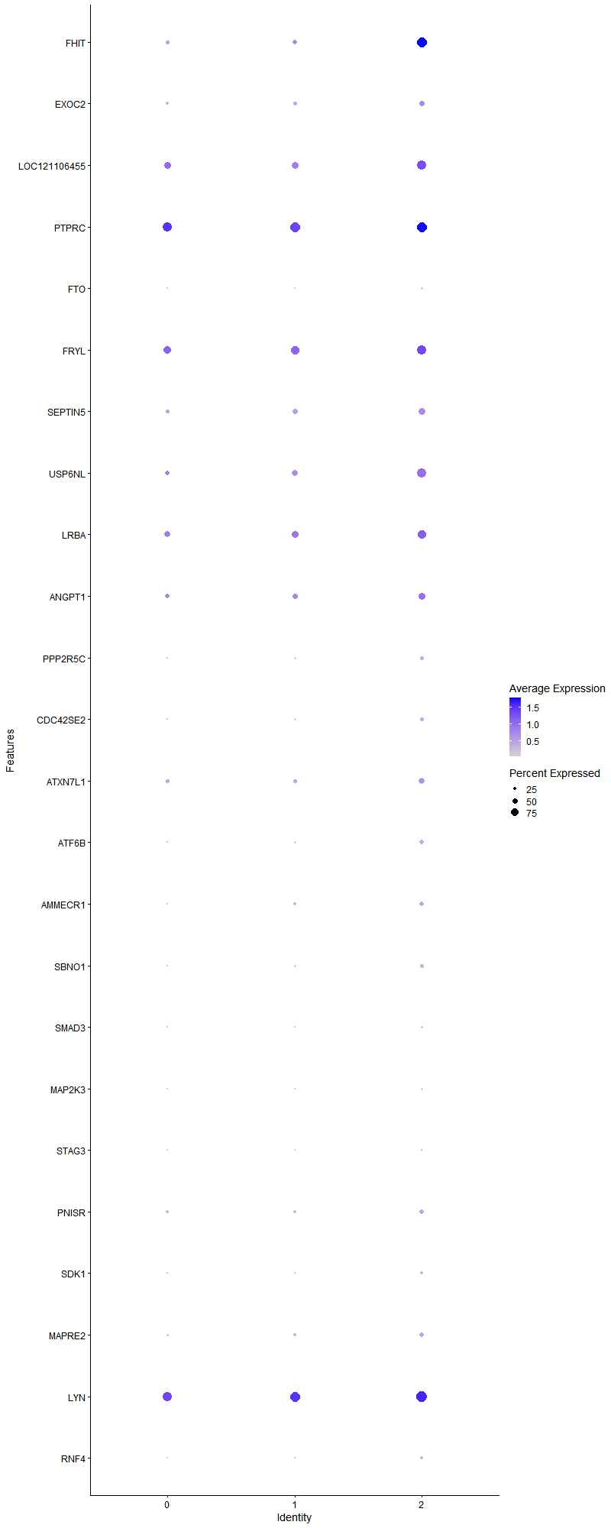
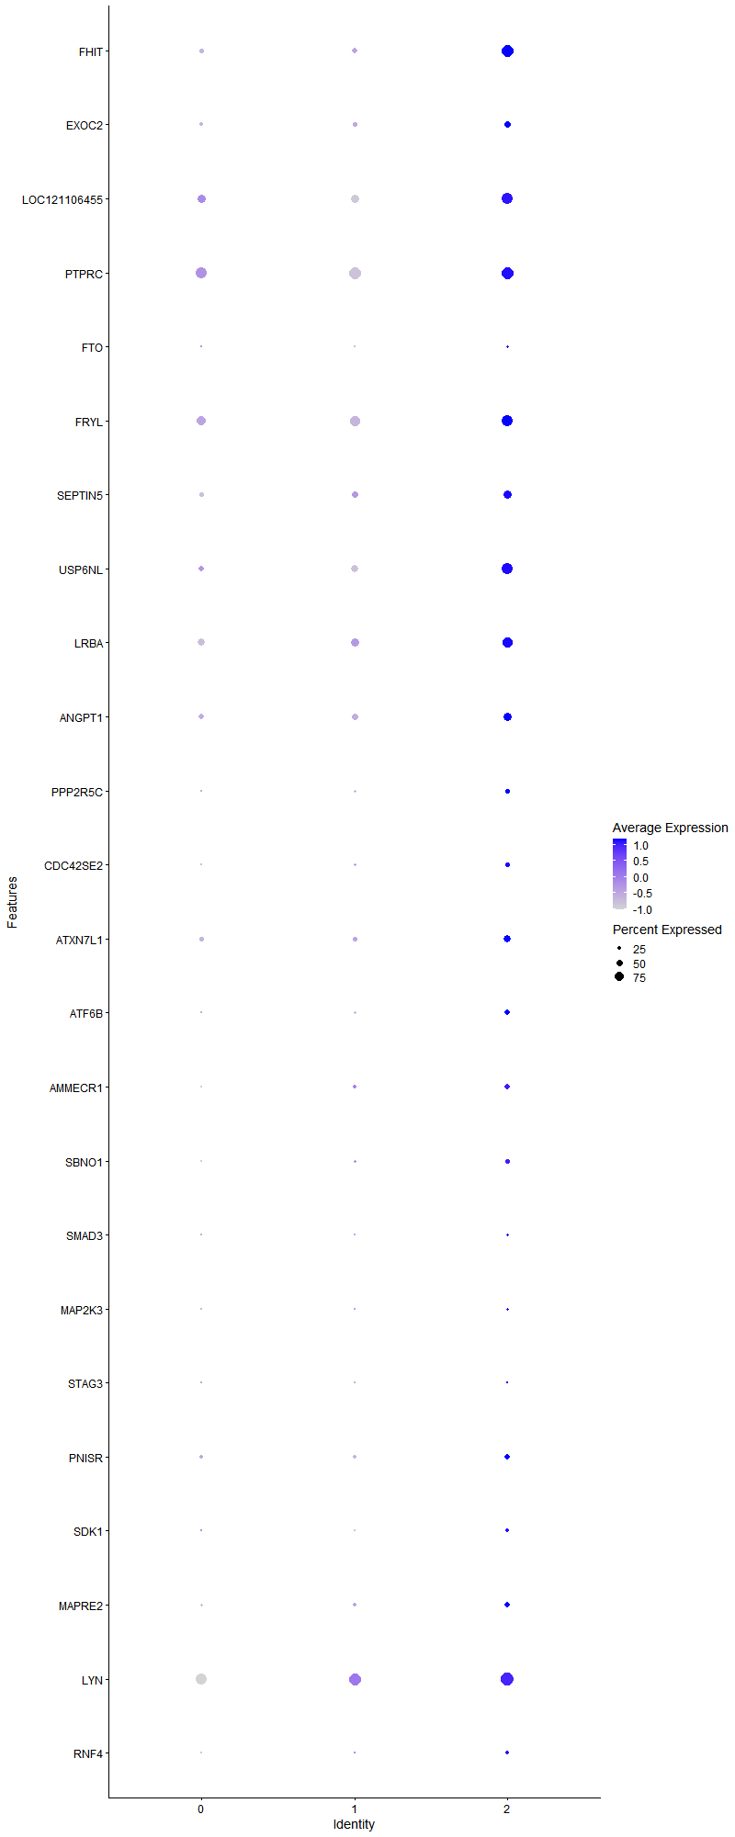
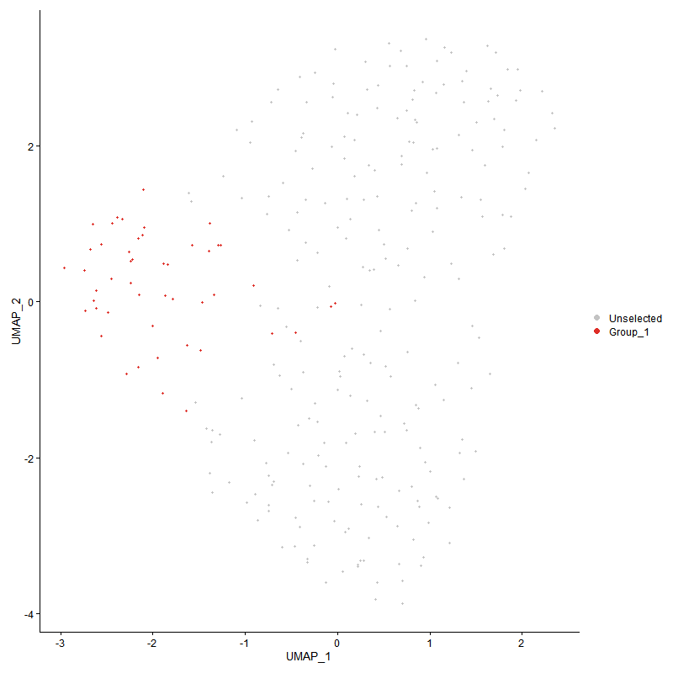
 | p_val | avg_log2FC | pct.1 | pct.2 | p_val_adj | cluster | gene
FHIT | 2.1525059402E-24 | 1.6592223929 | 0.958 | 0.383 | 3.2870918213E-20 | 2 | FHIT
EXOC2 | 0.001899204311 | 0.50052269109 | 0.521 | 0.321 | 1 | 2 | EXOC2
LOC121106455 | 8.9830696678E-05 | 0.48766529937 | 0.875 | 0.638 | 1 | 2 | LOC121106455
PTPRC | 0.0033038544494 | 0.43642326258 | 0.958 | 0.897 | 1 | 2 | PTPRC
FTO | 0.0012253716577 | 0.37155886261 | 0.208 | 0.066 | 1 | 2 | FTO
FRYL | 0.0037038079213 | 0.34973828725 | 0.875 | 0.737 | 1 | 2 | FRYL
SEPTIN5 | 0.00085159431633 | 0.34708157212 | 0.667 | 0.403 | 1 | 2 | SEPTIN5
USP6NL | 0.00040512347367 | 0.32870944528 | 0.833 | 0.498 | 1 | 2 | USP6NL
LRBA | 0.0023053975941 | 0.32779734264 | 0.812 | 0.605 | 1 | 2 | LRBA
ANGPT1 | 0.0086414244509 | 0.3150939038 | 0.667 | 0.477 | 1 | 2 | ANGPT1
PPP2R5C | 0.0040850558853 | 0.29920801839 | 0.312 | 0.148 | 1 | 2 | PPP2R5C
CDC42SE2 | 0.0012097001303 | 0.29484026797 | 0.354 | 0.156 | 1 | 2 | CDC42SE2
ATXN7L1 | 0.0048466566662 | 0.29355635061 | 0.583 | 0.362 | 1 | 2 | ATXN7L1
ATF6B | 0.00012949792915 | 0.28014375676 | 0.417 | 0.165 | 1 | 2 | ATF6B
AMMECR1 | 0.0022022630995 | 0.27317896324 | 0.417 | 0.202 | 1 | 2 | AMMECR1
SBNO1 | 0.001610475014 | 0.27249473508 | 0.333 | 0.144 | 1 | 2 | SBNO1
SMAD3 | 0.0023838812973 | 0.26838764033 | 0.229 | 0.082 | 1 | 2 | SMAD3
MAP2K3 | 0.0050201279351 | 0.2661403167 | 0.188 | 0.066 | 1 | 2 | MAP2K3
STAG3 | 0.0060198382477 | 0.2637470238 | 0.125 | 0.033 | 1 | 2 | STAG3
PNISR | 0.0089337213737 | 0.26330844801 | 0.458 | 0.272 | 1 | 2 | PNISR
SDK1 | 0.0057002648908 | 0.26240591746 | 0.292 | 0.132 | 1 | 2 | SDK1
MAPRE2 | 0.0094063909128 | 0.25992645859 | 0.396 | 0.214 | 1 | 2 | MAPRE2
LYN | 0.0074302088482 | 0.25980100295 | 0.979 | 0.926 | 1 | 2 | LYN
RNF4 | 3.1982012546E-05 | 0.25770096153 | 0.292 | 0.078 | 0.48839731359 | 2 | RNF4

