Clustered cells
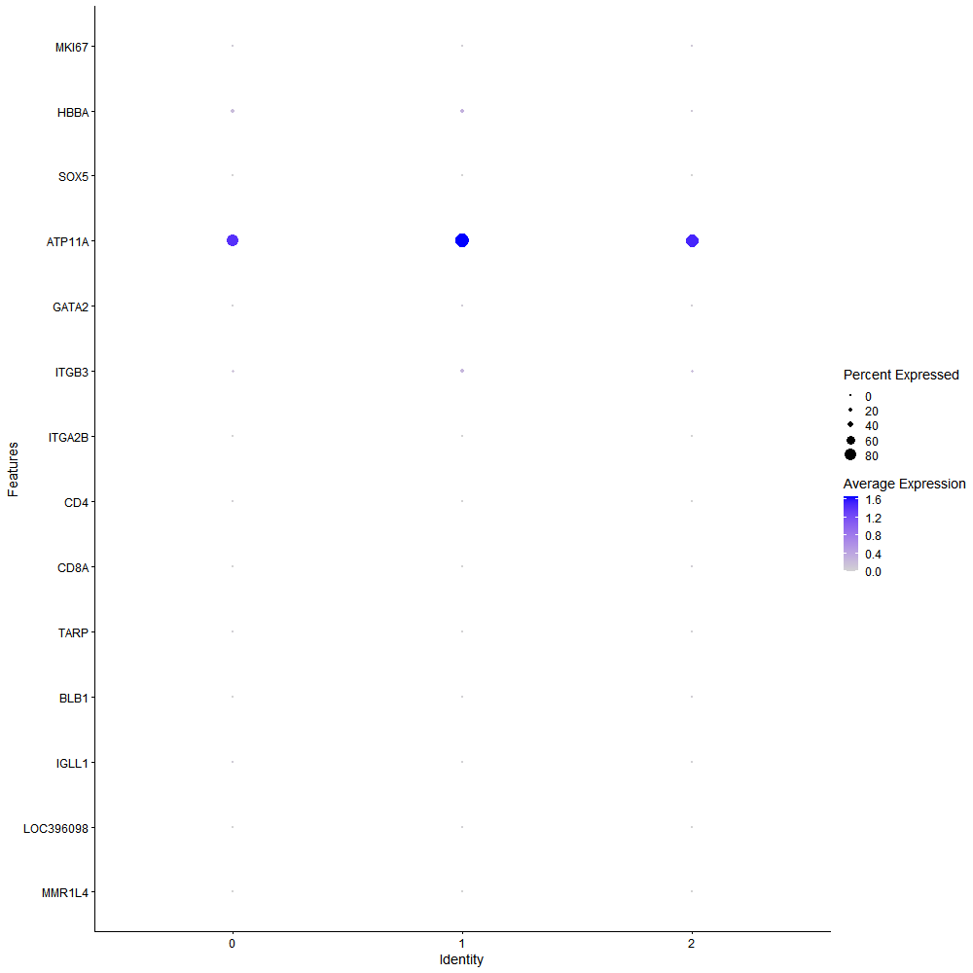
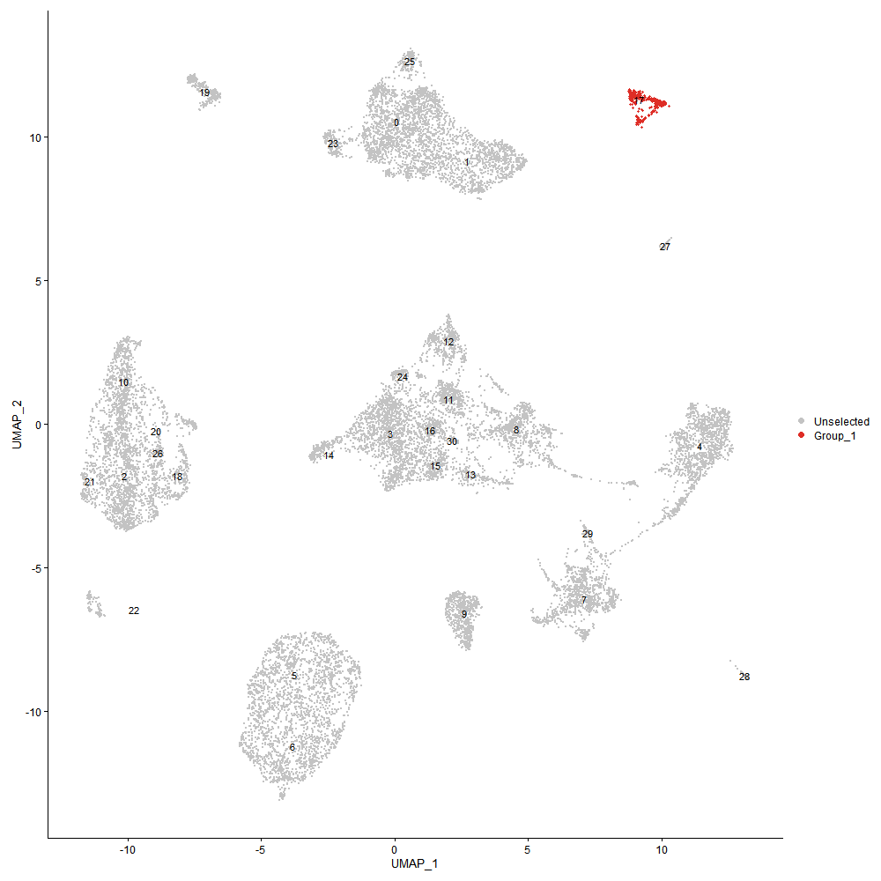
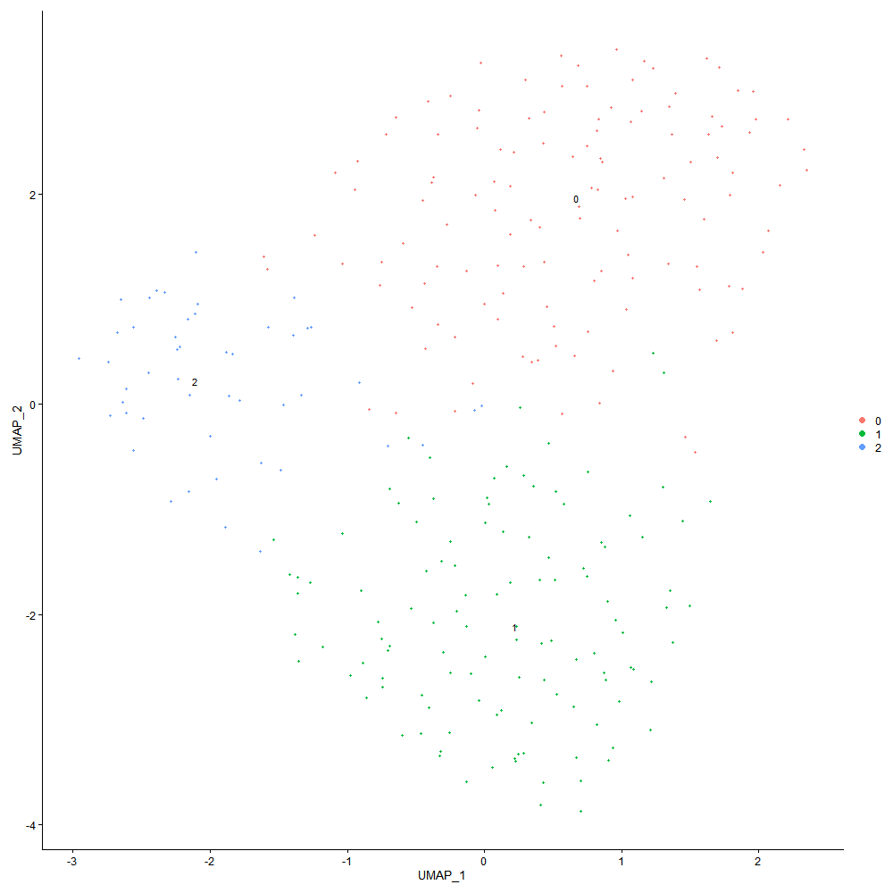

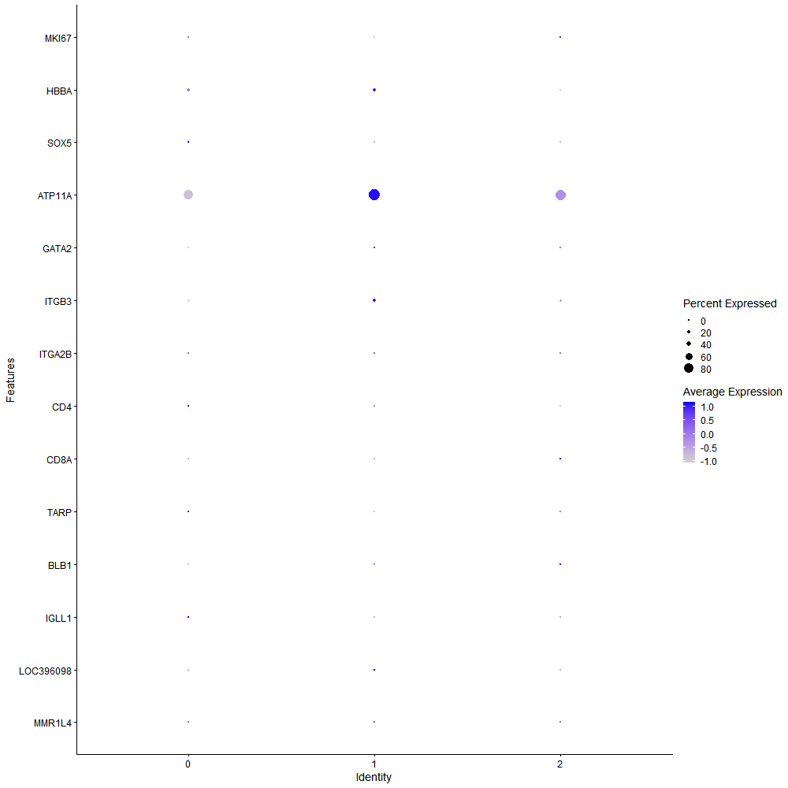
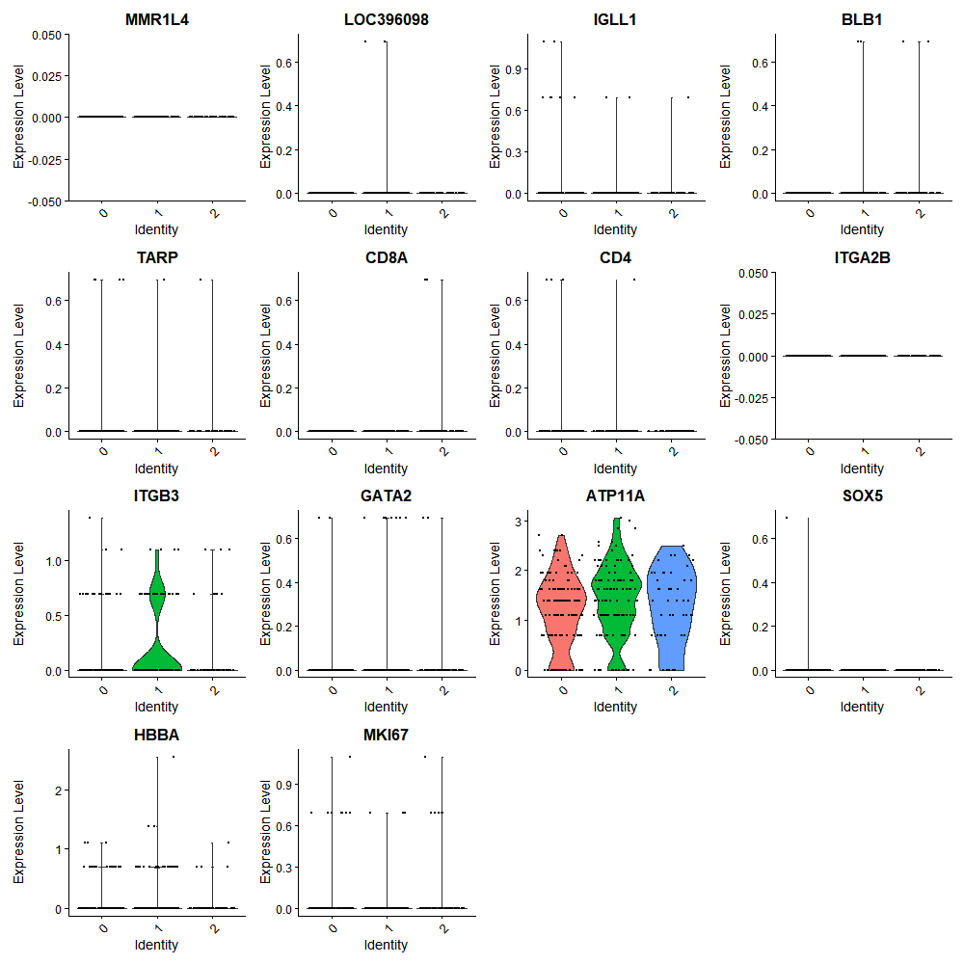

Cluster0
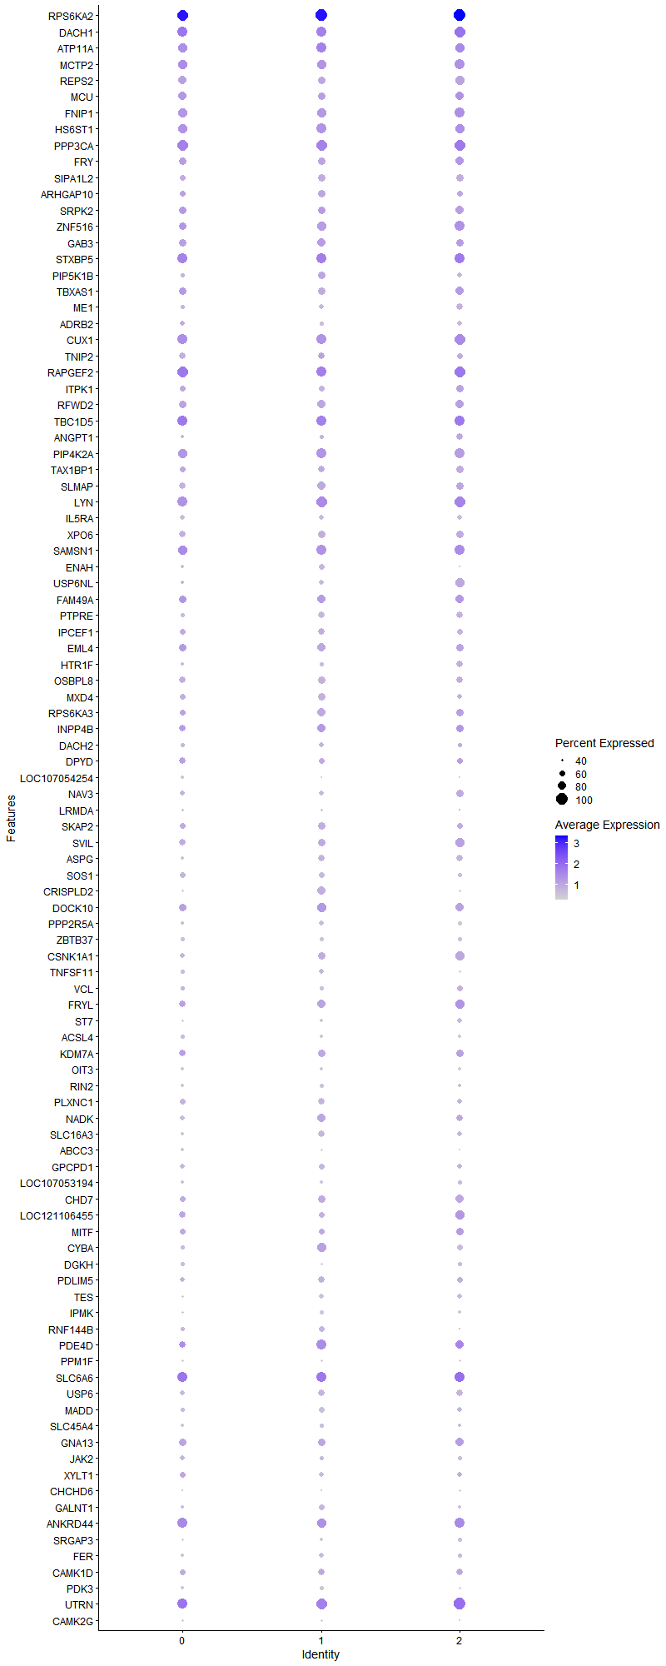
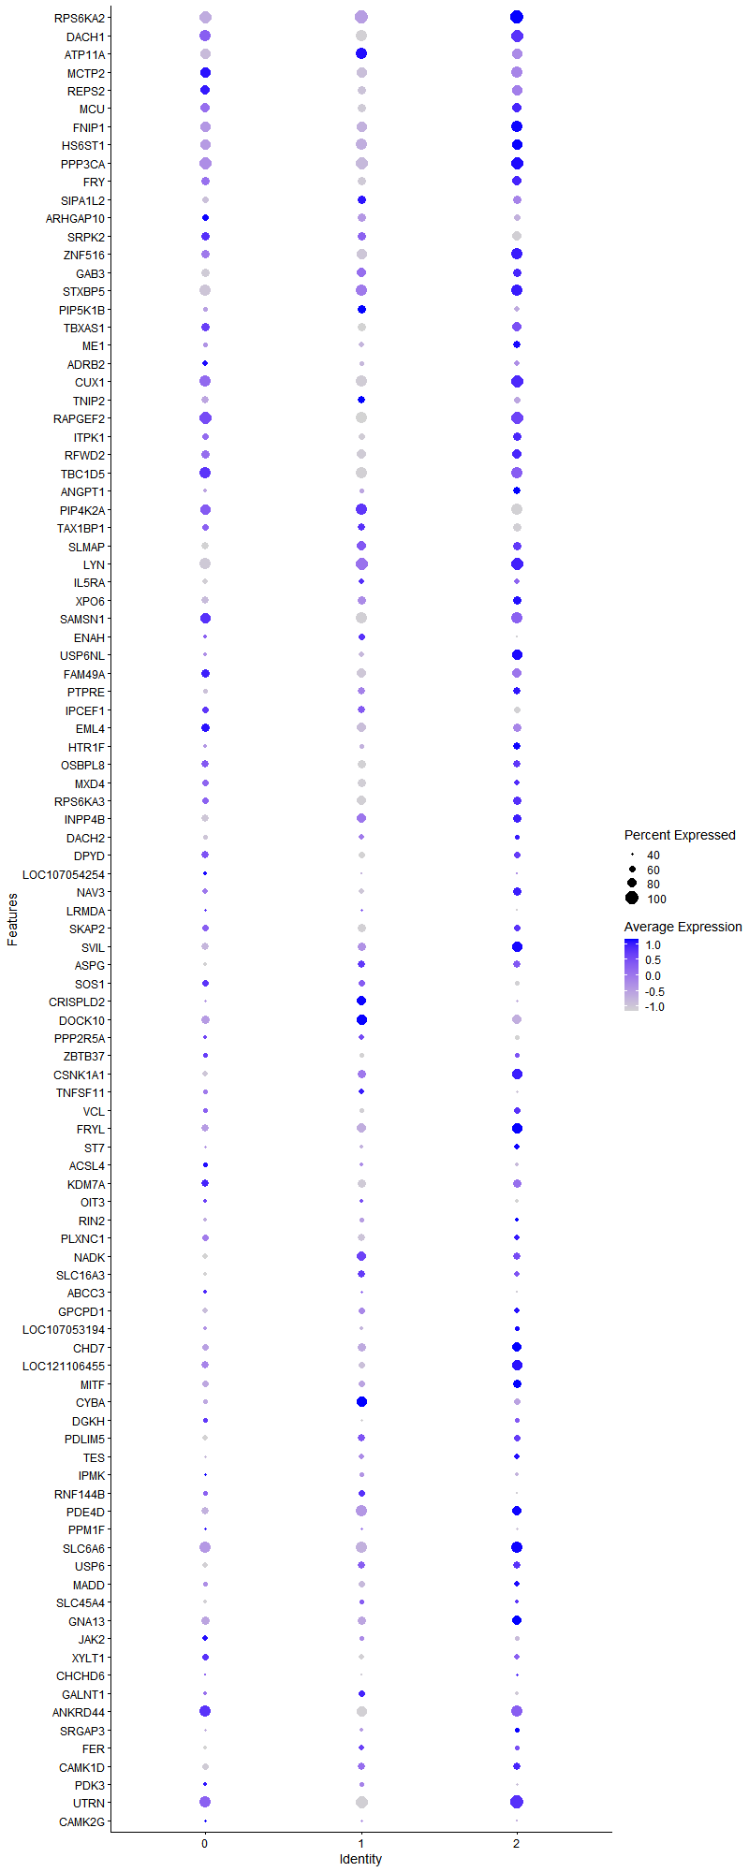
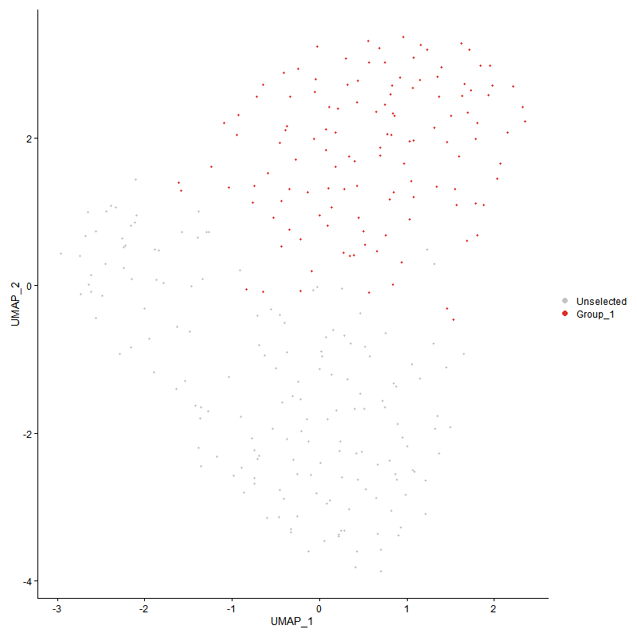
 | p_val | avg_log2FC | pct.1 | pct.2 | p_val_adj | cluster | gene
RPS6KA2 | 1.1051802797E-287 | 4.7029099634 | 0.976 | 0.091 | 1.6877208051E-283 | 0 | RPS6KA2
DACH1 | 0 | 3.1711164165 | 0.913 | 0.018 | 0 | 0 | DACH1
ATP11A | 9.1279172756E-145 | 2.3261830574 | 0.825 | 0.126 | 1.3939242471E-140 | 0 | ATP11A
MCTP2 | 4.705208466E-99 | 2.2303646053 | 0.857 | 0.218 | 7.1853238484E-95 | 0 | MCTP2
REPS2 | 1.503128763E-165 | 1.9615022392 | 0.81 | 0.105 | 2.295427934E-161 | 0 | REPS2
MCU | 5.6942074263E-68 | 1.8997354797 | 0.77 | 0.237 | 8.6956241608E-64 | 0 | MCU
FNIP1 | 1.8236230445E-77 | 1.8865008522 | 0.857 | 0.276 | 2.7848547513E-73 | 0 | FNIP1
HS6ST1 | 2.2745556044E-63 | 1.8541325523 | 0.841 | 0.317 | 3.4734738635E-59 | 0 | HS6ST1
PPP3CA | 6.5323735966E-58 | 1.8501956659 | 0.944 | 0.479 | 9.9755877194E-54 | 0 | PPP3CA
FRY | 4.7682771429E-59 | 1.7392744679 | 0.738 | 0.244 | 7.2816360249E-55 | 0 | FRY
SIPA1L2 | 6.5453252495E-105 | 1.6646804567 | 0.619 | 0.09 | 9.9953661885E-101 | 0 | SIPA1L2
ARHGAP10 | 5.6291848787E-38 | 1.6331987195 | 0.619 | 0.23 | 8.5963282282E-34 | 0 | ARHGAP10
SRPK2 | 8.3945571741E-41 | 1.6302489417 | 0.746 | 0.343 | 1.2819328261E-36 | 0 | SRPK2
ZNF516 | 8.0571370877E-39 | 1.613671086 | 0.714 | 0.27 | 1.2304054047E-34 | 0 | ZNF516
GAB3 | 1.0285128772E-54 | 1.5766838584 | 0.754 | 0.248 | 1.5706420148E-50 | 0 | GAB3
STXBP5 | 3.0857125157E-42 | 1.572819634 | 0.921 | 0.58 | 4.7121915827E-38 | 0 | STXBP5
PIP5K1B | 6.7354569432E-277 | 1.5425583076 | 0.5 | 0.02 | 1.0285716298E-272 | 0 | PIP5K1B
TBXAS1 | 2.63653989E-36 | 1.5174050426 | 0.714 | 0.305 | 4.026260066E-32 | 0 | TBXAS1
ME1 | 1.29811707E-181 | 1.490018719 | 0.492 | 0.031 | 1.9823545775E-177 | 0 | ME1
ADRB2 | 3.7128153048E-28 | 1.4744100733 | 0.556 | 0.238 | 5.669840252E-24 | 0 | ADRB2
CUX1 | 9.1268579887E-43 | 1.4698338717 | 0.913 | 0.618 | 1.3937624835E-38 | 0 | CUX1
TNIP2 | 1.1684963985E-62 | 1.4495991787 | 0.659 | 0.166 | 1.7844108502E-58 | 0 | TNIP2
RAPGEF2 | 8.8601237261E-47 | 1.4337133398 | 0.984 | 0.645 | 1.3530294942E-42 | 0 | RAPGEF2
ITPK1 | 4.3226639169E-30 | 1.4312764395 | 0.627 | 0.288 | 6.6011400675E-26 | 0 | ITPK1
RFWD2 | 1.8414596374E-33 | 1.4169105444 | 0.722 | 0.392 | 2.8120930123E-29 | 0 | RFWD2
TBC1D5 | 9.9345314223E-38 | 1.3850936135 | 0.96 | 0.762 | 1.5171022935E-33 | 0 | TBC1D5
ANGPT1 | 5.6559851794E-46 | 1.3762998165 | 0.444 | 0.093 | 8.6372549675E-42 | 0 | ANGPT1
PIP4K2A | 1.5368115242E-36 | 1.3719253082 | 0.841 | 0.596 | 2.3468648787E-32 | 0 | PIP4K2A
TAX1BP1 | 1.4694924145E-25 | 1.3528606478 | 0.635 | 0.349 | 2.2440618662E-21 | 0 | TAX1BP1
SLMAP | 1.4145160916E-56 | 1.3511325023 | 0.667 | 0.193 | 2.1601075234E-52 | 0 | SLMAP
LYN | 1.5100805066E-45 | 1.3401563184 | 0.905 | 0.349 | 2.3060439417E-41 | 0 | LYN
IL5RA | 0 | 1.3352804346 | 0.556 | 0.009 | 0 | 0 | IL5RA
XPO6 | 3.2587403196E-37 | 1.3215019069 | 0.675 | 0.309 | 4.9764223421E-33 | 0 | XPO6
SAMSN1 | 2.9170372685E-35 | 1.3208277334 | 0.952 | 0.614 | 4.4546076128E-31 | 0 | SAMSN1
ENAH | 1.8352923438E-172 | 1.3007602801 | 0.46 | 0.028 | 2.8026749382E-168 | 0 | ENAH
USP6NL | 1.2644186478E-22 | 1.2941911769 | 0.468 | 0.186 | 1.9308937171E-18 | 0 | USP6NL
FAM49A | 5.0346816711E-20 | 1.2831354288 | 0.754 | 0.609 | 7.6884623799E-16 | 0 | FAM49A
PTPRE | 4.8962258478E-47 | 1.264636915 | 0.492 | 0.117 | 7.4770264921E-43 | 0 | PTPRE
IPCEF1 | 1.8247779E-30 | 1.2624270022 | 0.627 | 0.27 | 2.7866183311E-26 | 0 | IPCEF1
EML4 | 3.3927998723E-27 | 1.2544567807 | 0.73 | 0.397 | 5.181144685E-23 | 0 | EML4
HTR1F | 6.7097756444E-51 | 1.2228902842 | 0.484 | 0.101 | 1.0246498387E-46 | 0 | HTR1F
OSBPL8 | 3.8581956834E-29 | 1.2224860501 | 0.675 | 0.354 | 5.8918506281E-25 | 0 | OSBPL8
MXD4 | 2.7138867416E-29 | 1.2203566027 | 0.619 | 0.294 | 4.144376443E-25 | 0 | MXD4
RPS6KA3 | 3.5483134547E-14 | 1.1989396777 | 0.627 | 0.494 | 5.4186294766E-10 | 0 | RPS6KA3
INPP4B | 1.2603636881E-17 | 1.1787177582 | 0.643 | 0.372 | 1.9247013881E-13 | 0 | INPP4B
DACH2 | 1.2036495121E-46 | 1.1560622409 | 0.476 | 0.101 | 1.8380931699E-42 | 0 | DACH2
DPYD | 5.6341264957E-20 | 1.1439376285 | 0.675 | 0.4 | 8.6038745716E-16 | 0 | DPYD
LOC107054254 | 2.6050059033E-120 | 1.1216682982 | 0.429 | 0.036 | 3.978104515E-116 | 0 | LOC107054254
NAV3 | 1.9020517225E-29 | 1.1189701726 | 0.579 | 0.213 | 2.9046231854E-25 | 0 | NAV3
LRMDA | 8.6897929112E-14 | 1.1073313078 | 0.381 | 0.156 | 1.3270182755E-09 | 0 | LRMDA
SKAP2 | 1.9087415341E-18 | 1.1004427743 | 0.619 | 0.363 | 2.9148391967E-14 | 0 | SKAP2
SVIL | 4.8005506988E-26 | 1.0933605733 | 0.667 | 0.341 | 7.3309209721E-22 | 0 | SVIL
ASPG | 3.683441543E-86 | 1.0775508167 | 0.46 | 0.058 | 5.6249835803E-82 | 0 | ASPG
SOS1 | 1.4307059756E-23 | 1.0711560145 | 0.587 | 0.293 | 2.1848310954E-19 | 0 | SOS1
CRISPLD2 | 6.2324479518E-184 | 1.0613276733 | 0.397 | 0.019 | 9.5175712672E-180 | 0 | CRISPLD2
DOCK10 | 1.0731637761E-18 | 1.0589601833 | 0.762 | 0.586 | 1.6388284025E-14 | 0 | DOCK10
PPP2R5A | 1.0819962838E-17 | 1.0449531727 | 0.46 | 0.22 | 1.6523165249E-13 | 0 | PPP2R5A
ZBTB37 | 1.2159889641E-46 | 1.0424579797 | 0.484 | 0.115 | 1.856936747E-42 | 0 | ZBTB37
CSNK1A1 | 2.0786965173E-17 | 1.0416989932 | 0.587 | 0.375 | 3.1743774516E-13 | 0 | CSNK1A1
TNFSF11 | 2.9937744629E-32 | 1.0224594505 | 0.5 | 0.157 | 4.5717929823E-28 | 0 | TNFSF11
VCL | 9.7828197082E-16 | 1.0208880477 | 0.524 | 0.297 | 1.4939343976E-11 | 0 | VCL
FRYL | 2.3432178498E-16 | 1.0205126439 | 0.714 | 0.573 | 3.5783279784E-12 | 0 | FRYL
ST7 | 3.0986760366E-92 | 1.0179225682 | 0.405 | 0.041 | 4.7319881755E-88 | 0 | ST7
ACSL4 | 7.3745260737E-18 | 1.0106634776 | 0.5 | 0.256 | 1.1261638767E-13 | 0 | ACSL4
KDM7A | 1.357702798E-16 | 1.0088486929 | 0.714 | 0.542 | 2.0733479429E-12 | 0 | KDM7A
OIT3 | 2.0515507677E-59 | 0.99130731277 | 0.429 | 0.07 | 3.1329231774E-55 | 0 | OIT3
RIN2 | 5.8779416124E-50 | 0.98886869447 | 0.437 | 0.086 | 8.9762046364E-46 | 0 | RIN2
PLXNC1 | 1.9761870468E-20 | 0.98531898374 | 0.643 | 0.364 | 3.0178352391E-16 | 0 | PLXNC1
NADK | 3.6889559177E-21 | 0.98344556048 | 0.563 | 0.299 | 5.6334045819E-17 | 0 | NADK
SLC16A3 | 9.7730671324E-48 | 0.98245595019 | 0.46 | 0.098 | 1.4924450818E-43 | 0 | SLC16A3
ABCC3 | 5.3268657659E-105 | 0.97237125716 | 0.421 | 0.04 | 8.1346567111E-101 | 0 | ABCC3
GPCPD1 | 8.093288101E-16 | 0.95883555501 | 0.548 | 0.327 | 1.2359260259E-11 | 0 | GPCPD1
LOC107053194 | 6.5425251442E-63 | 0.94469968085 | 0.46 | 0.073 | 9.9910901477E-59 | 0 | LOC107053194
CHD7 | 4.9379733865E-11 | 0.94096342979 | 0.595 | 0.429 | 7.5407791585E-07 | 0 | CHD7
LOC121106455 | 3.4860934891E-15 | 0.93554484816 | 0.651 | 0.437 | 5.3236133672E-11 | 0 | LOC121106455
MITF | 1.9509540039E-18 | 0.93439242041 | 0.595 | 0.28 | 2.9793018593E-14 | 0 | MITF
CYBA | 3.6590876425E-15 | 0.92952460514 | 0.524 | 0.314 | 5.5877927389E-11 | 0 | CYBA
DGKH | 8.4744350902E-21 | 0.92673769055 | 0.484 | 0.187 | 1.2941309826E-16 | 0 | DGKH
PDLIM5 | 1.4596555136E-13 | 0.92304974836 | 0.595 | 0.399 | 2.2290399348E-09 | 0 | PDLIM5
TES | 4.3371983742E-20 | 0.92080702509 | 0.397 | 0.144 | 6.6233356373E-16 | 0 | TES
IPMK | 2.2190072096E-12 | 0.90619604979 | 0.405 | 0.209 | 3.3886459097E-08 | 0 | IPMK
RNF144B | 2.3464603311E-14 | 0.9000462431 | 0.516 | 0.273 | 3.5832795716E-10 | 0 | RNF144B
PDE4D | 7.0677746417E-16 | 0.89920841548 | 0.778 | 0.514 | 1.0793198655E-11 | 0 | PDE4D
PPM1F | 2.0282332678E-31 | 0.89238247257 | 0.357 | 0.086 | 3.0973150232E-27 | 0 | PPM1F
SLC6A6 | 9.8500089775E-23 | 0.88541564782 | 0.992 | 0.884 | 1.5041948709E-18 | 0 | SLC6A6
USP6 | 4.2207312124E-14 | 0.87984309061 | 0.563 | 0.36 | 6.4454786345E-10 | 0 | USP6
MADD | 1.1087941433E-17 | 0.87967056415 | 0.54 | 0.278 | 1.6932395363E-13 | 0 | MADD
SLC45A4 | 6.0674790407E-20 | 0.87729071732 | 0.437 | 0.177 | 9.265647243E-16 | 0 | SLC45A4
GNA13 | 1.2433640717E-19 | 0.87662117064 | 0.841 | 0.686 | 1.8987412739E-15 | 0 | GNA13
JAK2 | 1.1727850895E-11 | 0.86937456643 | 0.54 | 0.372 | 1.7909601101E-07 | 0 | JAK2
XYLT1 | 4.322126852E-13 | 0.86541969036 | 0.627 | 0.421 | 6.6003199156E-09 | 0 | XYLT1
CHCHD6 | 1.9637318512E-30 | 0.85148807814 | 0.294 | 0.06 | 2.9988149099E-26 | 0 | CHCHD6
GALNT1 | 5.7546508385E-08 | 0.84153543526 | 0.46 | 0.324 | 0.00087879272954 | 0 | GALNT1
ANKRD44 | 6.5117959333E-20 | 0.83731342476 | 0.976 | 0.853 | 9.9441635698E-16 | 0 | ANKRD44
SRGAP3 | 6.7823831951E-27 | 0.82282098646 | 0.389 | 0.114 | 1.0357377377E-22 | 0 | SRGAP3
FER | 4.1293201021E-12 | 0.82209699063 | 0.429 | 0.221 | 6.3058847279E-08 | 0 | FER
CAMK1D | 4.569130669E-08 | 0.81972450592 | 0.595 | 0.47 | 0.00069775194446 | 0 | CAMK1D
PDK3 | 2.2413072254E-17 | 0.81090854566 | 0.46 | 0.216 | 3.4227002638E-13 | 0 | PDK3
UTRN | 1.7412636464E-15 | 0.80883473623 | 0.976 | 0.92 | 2.6590837144E-11 | 0 | UTRN
CAMK2G | 1.6599228093E-12 | 0.80368373538 | 0.413 | 0.214 | 2.5348681221E-08 | 0 | CAMK2G
PITPNC1 | 3.4005180124E-12 | 0.79446404716 | 0.746 | 0.635 | 5.1929310568E-08 | 0 | PITPNC1
FAR1 | 3.2978778225E-12 | 0.7934164117 | 0.437 | 0.246 | 5.0361892227E-08 | 0 | FAR1
MAPK11 | 3.1145397092E-44 | 0.78912740676 | 0.341 | 0.058 | 4.7562135899E-40 | 0 | MAPK11
STK10 | 2.2290259816E-14 | 0.7878564888 | 0.659 | 0.488 | 3.4039455765E-10 | 0 | STK10
EXOC3 | 2.3640916821E-28 | 0.78782419618 | 0.421 | 0.127 | 3.6102044077E-24 | 0 | EXOC3
GPR141 | 9.9534921376E-254 | 0.78752535051 | 0.302 | 0.007 | 1.5199977843E-249 | 0 | GPR141
PER2 | 3.3040400868E-09 | 0.78584270871 | 0.429 | 0.277 | 5.0455996165E-05 | 0 | PER2
SSH2 | 1.1459458071E-13 | 0.78246478049 | 0.563 | 0.375 | 1.7499738421E-09 | 0 | SSH2
PAM | 5.6198371156E-29 | 0.77330490917 | 0.238 | 0.042 | 8.5820532592E-25 | 0 | PAM
FCHO2 | 5.2891217878E-09 | 0.76547975023 | 0.492 | 0.356 | 8.0770178821E-05 | 0 | FCHO2
KANK1 | 1.9982461486E-99 | 0.76441829575 | 0.238 | 0.013 | 3.0515216936E-95 | 0 | KANK1
KIAA1671 | 1.6157216629E-38 | 0.7641972454 | 0.333 | 0.061 | 2.4673685514E-34 | 0 | KIAA1671
MARCH8 | 4.7206266386E-13 | 0.75901126392 | 0.643 | 0.411 | 7.2088689397E-09 | 0 | MARCH8
SPSB1 | 4.8119971998E-14 | 0.74900576041 | 0.413 | 0.195 | 7.3484009238E-10 | 0 | SPSB1
CHSY1 | 2.6022378914E-16 | 0.74679721481 | 0.357 | 0.139 | 3.9738774839E-12 | 0 | CHSY1
CD88 | 2.9083870999E-20 | 0.73910738727 | 0.317 | 0.094 | 4.4413979403E-16 | 0 | CD88
SERPINE2 | 1.4811551595E-22 | 0.73698020252 | 0.325 | 0.093 | 2.2618720441E-18 | 0 | SERPINE2
GADL1 | 3.8703702224E-25 | 0.73465947879 | 0.198 | 0.033 | 5.9104423666E-21 | 0 | GADL1
IFNAR1 | 6.5712820724E-14 | 0.73019364461 | 0.413 | 0.2 | 1.0035004853E-09 | 0 | IFNAR1
IGF1R | 1.2003124117E-11 | 0.73009080641 | 0.579 | 0.354 | 1.8329970838E-07 | 0 | IGF1R
CMIP | 1.0080638249E-09 | 0.72825684465 | 0.762 | 0.665 | 1.539414267E-05 | 0 | CMIP
CBL | 7.8529937724E-11 | 0.72451239159 | 0.397 | 0.221 | 1.199230679E-06 | 0 | CBL
CRIM1 | 3.7988311774E-06 | 0.71541675638 | 0.389 | 0.253 | 0.058011950909 | 0 | CRIM1
NDEL1 | 1.3238902311E-11 | 0.70817969271 | 0.468 | 0.284 | 2.0217127719E-07 | 0 | NDEL1
PSME4 | 1.3781399465E-07 | 0.70264425297 | 0.468 | 0.334 | 0.0021045575124 | 0 | PSME4
ERGIC1 | 5.8698633728E-06 | 0.69689978324 | 0.365 | 0.256 | 0.089638683567 | 0 | ERGIC1
ITPRIP | 5.7921481947E-10 | 0.69353616793 | 0.333 | 0.169 | 8.8451895082E-06 | 0 | ITPRIP
SUSD6 | 2.6879952029E-12 | 0.68696834913 | 0.77 | 0.643 | 4.1048374744E-08 | 0 | SUSD6
IRAG2 | 8.4419848582E-16 | 0.68692279326 | 0.349 | 0.132 | 1.2891755077E-11 | 0 | IRAG2
RABGAP1L | 7.5385419272E-07 | 0.6842185628 | 0.571 | 0.519 | 0.011512107377 | 0 | RABGAP1L
KSR1 | 1.7711948331E-11 | 0.68139255018 | 0.349 | 0.167 | 2.7047916297E-07 | 0 | KSR1
STARD8 | 7.5910527998E-14 | 0.67229672888 | 0.31 | 0.119 | 1.1592296731E-09 | 0 | STARD8
RBM24 | 1.7244913522E-31 | 0.67032689722 | 0.27 | 0.049 | 2.633470744E-27 | 0 | RBM24
WBSCR17 | 1.6670956332E-78 | 0.6665089552 | 0.23 | 0.015 | 2.5458217415E-74 | 0 | WBSCR17
FARP1 | 4.8617572908E-28 | 0.65821622782 | 0.214 | 0.035 | 7.4243895587E-24 | 0 | FARP1
TPD52 | 8.9612638879E-11 | 0.65651347147 | 0.294 | 0.126 | 1.3684746083E-06 | 0 | TPD52
FAM49B | 8.2752814426E-05 | 0.65389532839 | 0.587 | 0.583 | 1 | 0 | FAM49B
J6367-mgp13 | 1.091045103E-14 | 0.65239584963 | 1 | 0.996 | 1.6661349768E-10 | 0 | J6367-mgp13
CAMKMT | 7.9326789248E-05 | 0.65189870302 | 0.183 | 0.09 | 1 | 0 | CAMKMT
SLC9A9 | 6.0706854543E-10 | 0.65070817723 | 0.825 | 0.634 | 9.2705437572E-06 | 0 | SLC9A9
ARID4A | 0.00012681685675 | 0.64996427261 | 0.476 | 0.419 | 1 | 0 | ARID4A
BICD2 | 0.00015470384306 | 0.64701769228 | 0.492 | 0.461 | 1 | 0 | BICD2
ABI1 | 1.1656381927E-10 | 0.64353201681 | 0.817 | 0.683 | 1.780046084E-06 | 0 | ABI1
FUT8 | 2.106601946E-07 | 0.64299802517 | 0.429 | 0.285 | 0.0032169918318 | 0 | FUT8
GPR34 | 5.1163235226E-62 | 0.6378703003 | 0.317 | 0.036 | 7.8131376513E-58 | 0 | GPR34
SH3BP2 | 9.1065904054E-14 | 0.6359980988 | 0.23 | 0.071 | 1.3906674208E-09 | 0 | SH3BP2
OSBPL3 | 2.3864330234E-06 | 0.63586970253 | 0.405 | 0.265 | 0.0364432187 | 0 | OSBPL3
ADIPOR2 | 5.2388039867E-06 | 0.63292648068 | 0.444 | 0.355 | 0.080001775681 | 0 | ADIPOR2
PRAM1 | 5.4063501733E-18 | 0.63240053298 | 0.294 | 0.09 | 8.2560373496E-14 | 0 | PRAM1
UBASH3B | 3.4179277462E-16 | 0.63096277908 | 0.381 | 0.15 | 5.2195174612E-12 | 0 | UBASH3B
ITPR1 | 5.5955442385E-06 | 0.62605083708 | 0.492 | 0.368 | 0.085449556066 | 0 | ITPR1
SLC35E2B | 8.1630075943E-16 | 0.62296629001 | 0.341 | 0.129 | 1.2465728897E-11 | 0 | SLC35E2B
MICAL2 | 1.9558834497E-19 | 0.62081184916 | 0.333 | 0.103 | 2.986829616E-15 | 0 | MICAL2
PLAU | 8.453505468E-74 | 0.61376609305 | 0.206 | 0.013 | 1.29093482E-69 | 0 | PLAU
FBXL4 | 7.8046343262E-10 | 0.61218164585 | 0.254 | 0.101 | 1.191845708E-05 | 0 | FBXL4
ITPR2 | 2.1531213897E-10 | 0.60939869671 | 0.849 | 0.686 | 3.2880316742E-06 | 0 | ITPR2
CDK17 | 0.0018597813144 | 0.60429682896 | 0.524 | 0.526 | 1 | 0 | CDK17
FAM13A | 2.9085718462E-15 | 0.60380954807 | 0.222 | 0.061 | 4.4416800664E-11 | 0 | FAM13A
LRP8 | 1.3327979396E-14 | 0.59964077582 | 0.254 | 0.077 | 2.0353157336E-10 | 0 | LRP8
TNNT3 | 4.973941428E-17 | 0.59903679024 | 0.317 | 0.108 | 7.5957059546E-13 | 0 | TNNT3
DAGLA | 2.7783080377E-19 | 0.59588559065 | 0.23 | 0.055 | 4.2427542043E-15 | 0 | DAGLA
PIK3R5 | 2.2420930907E-05 | 0.59280765921 | 0.429 | 0.341 | 0.34239003588 | 0 | PIK3R5
LOC107054270 | 7.6241210154E-34 | 0.59014103955 | 0.222 | 0.032 | 1.1642795203E-29 | 0 | LOC107054270
MAPK3 | 5.8277425853E-07 | 0.5893467016 | 0.508 | 0.413 | 0.008899545702 | 0 | MAPK3
ROCK1 | 2.2850671467E-06 | 0.58749304662 | 0.881 | 0.791 | 0.034895260397 | 0 | ROCK1
TMED10 | 1.9740111996E-06 | 0.58544509468 | 0.5 | 0.417 | 0.03014512503 | 0 | TMED10
TET2 | 3.8473444778E-06 | 0.58443338869 | 0.563 | 0.443 | 0.058752797521 | 0 | TET2
DENND5A | 0.00012944954621 | 0.58193610348 | 0.381 | 0.299 | 1 | 0 | DENND5A
TALDO1 | 7.3748589647E-10 | 0.58141856221 | 0.278 | 0.123 | 1.1262147125E-05 | 0 | TALDO1
MAMLD1 | 3.4679104617E-08 | 0.58006590018 | 0.508 | 0.341 | 0.0005295846066 | 0 | MAMLD1
MAST4 | 0.00070213068995 | 0.57783046594 | 0.325 | 0.238 | 1 | 0 | MAST4
TIPARP | 0.00024982213812 | 0.57781066051 | 0.389 | 0.323 | 1 | 0 | TIPARP
STRN | 5.30632464E-06 | 0.57542433629 | 0.452 | 0.359 | 0.081032883578 | 0 | STRN
BASP1 | 9.5326171822E-05 | 0.57389604381 | 0.397 | 0.293 | 1 | 0 | BASP1
COG5 | 5.1999124362E-05 | 0.57347513867 | 0.452 | 0.356 | 0.79407862813 | 0 | COG5
MGAT5B | 1.9953838043E-05 | 0.56806902305 | 0.413 | 0.303 | 0.30471506076 | 0 | MGAT5B
APBB1IP | 1.4983747649E-06 | 0.56580323142 | 0.738 | 0.656 | 0.022881681034 | 0 | APBB1IP
RBMS1 | 0.21639732432 | 0.56228974819 | 0.365 | 0.393 | 1 | 0 | RBMS1
PKN2 | 0.0069752900242 | 0.55988526285 | 0.5 | 0.53 | 1 | 0 | PKN2
UBR3 | 0.00033266350913 | 0.55976242543 | 0.365 | 0.286 | 1 | 0 | UBR3
ARSB | 1.8742062324E-14 | 0.55932882284 | 0.254 | 0.08 | 2.8621003375E-10 | 0 | ARSB
EXOC4 | 6.367964734E-06 | 0.55878709896 | 0.849 | 0.741 | 0.097245189454 | 0 | EXOC4
TBC1D8 | 8.3979985868E-89 | 0.5564338978 | 0.214 | 0.012 | 1.2824583642E-84 | 0 | TBC1D8
SUSD3 | 4.480605081E-09 | 0.55407292943 | 0.246 | 0.103 | 6.8423320192E-05 | 0 | SUSD3
CSF2RA | 5.7744391566E-22 | 0.55116506853 | 0.262 | 0.062 | 8.818146036E-18 | 0 | CSF2RA
RXRA | 4.0405858511E-08 | 0.55076402483 | 0.365 | 0.214 | 0.00061703786532 | 0 | RXRA
CMTM4 | 6.8505648107E-10 | 0.54743498173 | 0.254 | 0.103 | 1.0461497522E-05 | 0 | CMTM4
CAB39 | 0.00014947736433 | 0.54739671548 | 0.31 | 0.22 | 1 | 0 | CAB39
WDFY2 | 3.214944897E-08 | 0.54637290749 | 0.286 | 0.142 | 0.00049095423523 | 0 | WDFY2
ATP9B | 0.00039551246975 | 0.54487890327 | 0.508 | 0.472 | 1 | 0 | ATP9B
BNIP3 | 9.3234287035E-09 | 0.54183439952 | 0.238 | 0.102 | 0.00014237807973 | 0 | BNIP3
SH3KBP1 | 5.6245717937E-07 | 0.54157032986 | 0.921 | 0.798 | 0.0085892835862 | 0 | SH3KBP1
SLA | 0.0046891377649 | 0.52250281911 | 0.524 | 0.489 | 1 | 0 | SLA
DENND1A | 0.00020708828907 | 0.51817596067 | 0.468 | 0.383 | 1 | 0 | DENND1A
RASSF2 | 0.0012093216034 | 0.51611751896 | 0.349 | 0.275 | 1 | 0 | RASSF2
CNNM2 | 9.9392583064E-07 | 0.51538482441 | 0.278 | 0.145 | 0.01517824136 | 0 | CNNM2
LOC107054342 | 9.6211730742E-06 | 0.51044065315 | 0.302 | 0.178 | 0.14692493402 | 0 | LOC107054342
TLE4 | 0.0039705435635 | 0.51002784589 | 0.437 | 0.404 | 1 | 0 | TLE4
BANK1 | 3.2863506605E-05 | 0.50855391815 | 0.183 | 0.087 | 0.50185860936 | 0 | BANK1
IL17RA | 4.9538150108E-05 | 0.50266700765 | 0.262 | 0.162 | 0.7564970903 | 0 | IL17RA
TMEM104 | 6.0881824999E-12 | 0.50242524682 | 0.222 | 0.072 | 9.2972634955E-08 | 0 | TMEM104
PWWP2B | 1.5138554957E-08 | 0.50214120513 | 0.286 | 0.138 | 0.00023118087274 | 0 | PWWP2B
RALGAPA1 | 0.017392497177 | 0.50168941179 | 0.349 | 0.315 | 1 | 0 | RALGAPA1
ANKRD13A | 5.2043645686E-07 | 0.50131490131 | 0.349 | 0.202 | 0.0079475851328 | 0 | ANKRD13A
PTAFR | 8.1429797126E-15 | 0.4993614429 | 0.262 | 0.083 | 1.2435144319E-10 | 0 | PTAFR
DDEFL1 | 1.2374907407E-33 | 0.49920245492 | 0.23 | 0.034 | 1.8897721102E-29 | 0 | DDEFL1
HK2 | 5.2543790773E-05 | 0.49911428427 | 0.341 | 0.234 | 0.80239622889 | 0 | HK2
DENND4A | 4.7043856461E-07 | 0.49900339012 | 0.397 | 0.235 | 0.0071840673202 | 0 | DENND4A
IL10RB | 0.0059075587934 | 0.49476965676 | 0.286 | 0.233 | 1 | 0 | IL10RB
MBOAT1 | 0.0003233584015 | 0.49415221006 | 0.571 | 0.536 | 1 | 0 | MBOAT1
ITGAD | 4.340340068E-07 | 0.49273854067 | 0.341 | 0.201 | 0.0066281333179 | 0 | ITGAD
NOTCH2 | 0.0037740514731 | 0.49159120253 | 0.389 | 0.359 | 1 | 0 | NOTCH2
FNDC3A | 0.059708314225 | 0.48989657229 | 0.421 | 0.458 | 1 | 0 | FNDC3A
CRCBL | 5.6399961305E-06 | 0.48935978406 | 0.183 | 0.082 | 0.086128380909 | 0 | CRCBL
PEPD | 3.0340833973E-06 | 0.48869815463 | 0.317 | 0.188 | 0.046333487561 | 0 | PEPD
ADAM19 | 2.9683290615E-143 | 0.48844692736 | 0.183 | 0.005 | 4.5329353099E-139 | 0 | ADAM19
KIF13A | 0.0031906338799 | 0.4882557475 | 0.333 | 0.268 | 1 | 0 | KIF13A
NBEAL2 | 0.00027643350366 | 0.48402996289 | 0.278 | 0.188 | 1 | 0 | NBEAL2
ATXN3 | 7.2523751685E-06 | 0.48360105928 | 0.254 | 0.142 | 0.1107510212 | 0 | ATXN3
EXOC6 | 0.0051347572763 | 0.48041666661 | 0.381 | 0.336 | 1 | 0 | EXOC6
ANTXR2 | 0.0021455303606 | 0.47781549441 | 0.484 | 0.439 | 1 | 0 | ANTXR2
RGS1 | 0.00049474340959 | 0.47662095833 | 0.619 | 0.601 | 1 | 0 | RGS1
GIT2 | 0.0046105768238 | 0.47569293697 | 0.31 | 0.255 | 1 | 0 | GIT2
TOM1 | 4.4354406567E-17 | 0.47528248778 | 0.183 | 0.04 | 6.7733614268E-13 | 0 | TOM1
LOC429518 | 6.7172756036E-19 | 0.4747896799 | 0.23 | 0.056 | 1.0257951574E-14 | 0 | LOC429518
EFCAB4B | 8.9890558735E-35 | 0.47203716056 | 0.198 | 0.025 | 1.3727187224E-30 | 0 | EFCAB4B
WIPF1 | 5.0484870456E-05 | 0.4710117021 | 0.484 | 0.424 | 0.77095445673 | 0 | WIPF1
CPAMD8 | 4.4512310919E-71 | 0.47091123844 | 0.198 | 0.013 | 6.7974750005E-67 | 0 | CPAMD8
DIAPH2 | 1.7685055446E-06 | 0.46968134286 | 0.96 | 0.903 | 0.027006848172 | 0 | DIAPH2
TMEM164 | 5.2317515557E-07 | 0.46953561884 | 0.222 | 0.103 | 0.0079894078007 | 0 | TMEM164
DHRSX | 0.0004546913064 | 0.46694203206 | 0.325 | 0.218 | 1 | 0 | DHRSX
FOXO3 | 0.006390168486 | 0.46617100828 | 0.238 | 0.169 | 1 | 0 | FOXO3
AFF4 | 0.045397208139 | 0.46317516278 | 0.437 | 0.448 | 1 | 0 | AFF4
PTPN12 | 3.6057536693E-09 | 0.46091750532 | 0.302 | 0.141 | 5.5063464284E-05 | 0 | PTPN12
QKI | 0.013981405697 | 0.45945900124 | 0.508 | 0.501 | 1 | 0 | QKI
VPS41 | 0.0042056601617 | 0.45684173259 | 0.278 | 0.211 | 1 | 0 | VPS41
RFX3 | 0.022369845559 | 0.45668389373 | 0.222 | 0.165 | 1 | 0 | RFX3
TEC | 5.4872395829E-13 | 0.45376050276 | 0.222 | 0.068 | 8.379563567E-09 | 0 | TEC
TMEM181 | 6.5110590597E-07 | 0.45335161817 | 0.246 | 0.123 | 0.0099430382901 | 0 | TMEM181
TRERF1 | 0.0026064418793 | 0.44882199558 | 0.381 | 0.312 | 1 | 0 | TRERF1
MYO10 | 2.4151357214E-68 | 0.444874102 | 0.198 | 0.013 | 3.6881537601E-64 | 0 | MYO10
VOPP1 | 1.1706378828E-05 | 0.44398538724 | 0.103 | 0.034 | 0.17876811109 | 0 | VOPP1
MAPK4 | 0.00012894755308 | 0.44316423465 | 0.357 | 0.266 | 1 | 0 | MAPK4
LOC121110725 | 8.7572610942E-12 | 0.44073808399 | 0.151 | 0.037 | 1.3373213417E-07 | 0 | LOC121110725
TBC1D14 | 0.0012051138868 | 0.43881447662 | 0.27 | 0.195 | 1 | 0 | TBC1D14
CCDC57 | 0.0025027793992 | 0.43741035764 | 0.206 | 0.134 | 1 | 0 | CCDC57
AMBRA1 | 0.0070893797176 | 0.43353287839 | 0.413 | 0.387 | 1 | 0 | AMBRA1
AVL9 | 1.8410555283E-07 | 0.43326644199 | 0.198 | 0.082 | 0.0028114758973 | 0 | AVL9
KDM6A | 4.5125658519E-05 | 0.43270495751 | 0.865 | 0.802 | 0.68911393125 | 0 | KDM6A
VPS13B | 0.16133617351 | 0.43252500011 | 0.571 | 0.624 | 1 | 0 | VPS13B
WDR62 | 2.1323427775E-08 | 0.43227713243 | 0.19 | 0.07 | 0.00032563006554 | 0 | WDR62
MYO9B | 5.3840633976E-05 | 0.4314519383 | 0.476 | 0.415 | 0.82220032144 | 0 | MYO9B
TMEM170B | 1.3948881143E-08 | 0.428303765 | 0.167 | 0.056 | 0.00021301336393 | 0 | TMEM170B
LOC107053519 | 1.8165159883E-08 | 0.42651473765 | 0.135 | 0.04 | 0.00027740015657 | 0 | LOC107053519
JARID2 | 0.00034219116786 | 0.42574439926 | 0.873 | 0.793 | 1 | 0 | JARID2
ANP32A | 0.023927267289 | 0.42499107748 | 0.262 | 0.223 | 1 | 0 | ANP32A
RAD18 | 9.427405744E-07 | 0.41894055823 | 0.183 | 0.077 | 0.014396591312 | 0 | RAD18
OSBPL2 | 1.4397460305E-07 | 0.41535314324 | 0.214 | 0.09 | 0.0021986361632 | 0 | OSBPL2
LRRC8D | 0.0038806979725 | 0.41383646867 | 0.278 | 0.213 | 1 | 0 | LRRC8D
LOC107053449 | 2.3584352681E-06 | 0.4137335697 | 0.135 | 0.048 | 0.036015664979 | 0 | LOC107053449
SLC39A13 | 0.00017112976332 | 0.41261068864 | 0.198 | 0.107 | 1 | 0 | SLC39A13
SLC10A7 | 0.19502115411 | 0.41249588874 | 0.333 | 0.347 | 1 | 0 | SLC10A7
RNF128 | 1.1298074666E-89 | 0.41180420354 | 0.159 | 0.006 | 1.7253289823E-85 | 0 | RNF128
ECM1 | 1.56711818E-11 | 0.41118295234 | 0.468 | 0.2 | 2.3931461726E-07 | 0 | ECM1
LAPTM5 | 0.00022842207321 | 0.41084464536 | 0.429 | 0.338 | 1 | 0 | LAPTM5
SIK3 | 0.14048694931 | 0.41063974078 | 0.183 | 0.158 | 1 | 0 | SIK3
SEPTIN5 | 0.00024975815352 | 0.41042086078 | 0.349 | 0.232 | 1 | 0 | SEPTIN5
PRKCD | 0.027882545353 | 0.41041045177 | 0.373 | 0.348 | 1 | 0 | PRKCD
FOCAD | 5.0057618236E-08 | 0.41034629159 | 0.238 | 0.103 | 0.00076442988808 | 0 | FOCAD
SORL1 | 4.1043484442E-15 | 0.41023359766 | 0.206 | 0.054 | 6.2677505091E-11 | 0 | SORL1
GPRIN3 | 1.720374043E-05 | 0.41019225682 | 0.286 | 0.17 | 0.26271832011 | 0 | GPRIN3
CRAMP1 | 0.00041464338467 | 0.40735531915 | 0.325 | 0.241 | 1 | 0 | CRAMP1
SGPP1 | 2.4449965154E-17 | 0.40578233164 | 0.151 | 0.028 | 3.7337541786E-13 | 0 | SGPP1
PDE4B | 0.014639624631 | 0.40097197377 | 0.302 | 0.252 | 1 | 0 | PDE4B
PARP8 | 0.0034895574435 | 0.39924393476 | 0.357 | 0.279 | 1 | 0 | PARP8
CACUL1 | 4.0711030397E-05 | 0.39913772261 | 0.246 | 0.14 | 0.62169814519 | 0 | CACUL1
FCER1G | 4.9491847593E-09 | 0.39688708099 | 0.23 | 0.091 | 7.557900046E-05 | 0 | FCER1G
SNX30 | 6.8730519681E-07 | 0.3964201433 | 0.183 | 0.075 | 0.01049583766 | 0 | SNX30
JAK1 | 0.0030356689563 | 0.39523082245 | 0.619 | 0.647 | 1 | 0 | JAK1
SNTB1 | 7.3142437977E-08 | 0.39477890453 | 0.246 | 0.107 | 0.0011169581703 | 0 | SNTB1
CD47 | 0.031984868178 | 0.3937805255 | 0.556 | 0.625 | 1 | 0 | CD47
ETV6 | 0.010617537399 | 0.39322432775 | 0.405 | 0.368 | 1 | 0 | ETV6
AKT1 | 0.22037384459 | 0.39125733629 | 0.206 | 0.187 | 1 | 0 | AKT1
TOP1 | 0.18011289722 | 0.39124037149 | 0.27 | 0.267 | 1 | 0 | TOP1
CREM | 0.00085450994438 | 0.38927906499 | 0.254 | 0.168 | 1 | 0 | CREM
UBTD2 | 8.2886579596E-07 | 0.38912527177 | 0.183 | 0.076 | 0.01265760957 | 0 | UBTD2
INPP5D | 0.020641969612 | 0.38873023861 | 0.357 | 0.335 | 1 | 0 | INPP5D
RAB6A | 0.0059982680389 | 0.3885396971 | 0.373 | 0.347 | 1 | 0 | RAB6A
LOC107052874 | 3.2053772218E-08 | 0.38757355863 | 0.119 | 0.033 | 0.00048949315554 | 0 | LOC107052874
PPM1A | 0.028688276385 | 0.38635589891 | 0.31 | 0.278 | 1 | 0 | PPM1A
ATF7IP | 0.27661455794 | 0.38626757424 | 0.381 | 0.418 | 1 | 0 | ATF7IP
SPTBN1 | 0.0035872577299 | 0.38433152874 | 0.738 | 0.732 | 1 | 0 | SPTBN1
MCL1 | 0.068695515366 | 0.38389179124 | 0.413 | 0.448 | 1 | 0 | MCL1
ALOX5AP | 2.9267904712E-08 | 0.38373536296 | 0.175 | 0.062 | 0.00044695017286 | 0 | ALOX5AP
CYB5A | 1.6562800358E-09 | 0.38346018479 | 0.206 | 0.074 | 2.5293052427E-05 | 0 | CYB5A
PLA2G4A | 2.4232688671E-07 | 0.38011741827 | 0.198 | 0.082 | 0.0037005738869 | 0 | PLA2G4A
CCPG1 | 0.0055174988909 | 0.37937926901 | 0.222 | 0.158 | 1 | 0 | CCPG1
RNF144A | 0.0013825364758 | 0.37847790723 | 0.198 | 0.116 | 1 | 0 | RNF144A
CYFIP1 | 0.25705746591 | 0.37725914224 | 0.214 | 0.205 | 1 | 0 | CYFIP1
MTMR3 | 0.0034500244444 | 0.37690029534 | 0.389 | 0.347 | 1 | 0 | MTMR3
XPR1 | 8.0173616168E-05 | 0.37662333298 | 0.19 | 0.099 | 1 | 0 | XPR1
GSK3A | 0.00040684658387 | 0.37508112737 | 0.754 | 0.743 | 1 | 0 | GSK3A
TMOD3 | 4.3690538597E-05 | 0.37354656248 | 0.238 | 0.135 | 0.66719821492 | 0 | TMOD3
ALOX5 | 6.7372619737E-17 | 0.36872716065 | 0.175 | 0.037 | 1.028847276E-12 | 0 | ALOX5
MAF1 | 0.41083823184 | 0.36633160123 | 0.222 | 0.232 | 1 | 0 | MAF1
ARMH3 | 0.023136791763 | 0.36591197166 | 0.27 | 0.224 | 1 | 0 | ARMH3
SYK | 0.00044731770642 | 0.36542620301 | 0.198 | 0.111 | 1 | 0 | SYK
GNAI3 | 0.0096655976965 | 0.36514373298 | 0.262 | 0.204 | 1 | 0 | GNAI3
RABGAP1 | 0.011819552748 | 0.36412703695 | 0.325 | 0.276 | 1 | 0 | RABGAP1
SLC37A1 | 1.8847690227E-15 | 0.36391596636 | 0.119 | 0.02 | 2.8782307746E-11 | 0 | SLC37A1
NSD1 | 0.85207209944 | 0.36372090485 | 0.19 | 0.22 | 1 | 0 | NSD1
RPS6KA1 | 0.31995326665 | 0.36362180198 | 0.246 | 0.255 | 1 | 0 | RPS6KA1
PLCL2 | 0.32531880301 | 0.36318075132 | 0.476 | 0.538 | 1 | 0 | PLCL2
ABHD2 | 4.5317859619E-06 | 0.36201012765 | 0.167 | 0.071 | 0.069204903425 | 0 | ABHD2
LRRFIP2 | 0.0094461414256 | 0.36164442002 | 0.381 | 0.349 | 1 | 0 | LRRFIP2
ADGB | 3.8583664802E-10 | 0.36159908479 | 0.135 | 0.035 | 5.8921114519E-06 | 0 | ADGB
MSI2 | 0.024017832861 | 0.36102608074 | 0.341 | 0.299 | 1 | 0 | MSI2
ATXN7L1 | 0.019388113608 | 0.36030366489 | 0.365 | 0.325 | 1 | 0 | ATXN7L1
PLEKHB2 | 1.001175203E-06 | 0.35923274016 | 0.167 | 0.066 | 0.015288946525 | 0 | PLEKHB2
BMPR2 | 0.046622208953 | 0.35733209835 | 0.389 | 0.374 | 1 | 0 | BMPR2
HPSE2 | 1.070809142E-106 | 0.35589132016 | 0.127 | 0.003 | 1.6352326408E-102 | 0 | HPSE2
SIK1 | 0.0044214565081 | 0.35577800278 | 0.23 | 0.164 | 1 | 0 | SIK1
TMEM251 | 0.010036253892 | 0.35567734505 | 0.262 | 0.207 | 1 | 0 | TMEM251
LOC415616 | 5.9912922733E-18 | 0.35539016552 | 0.151 | 0.027 | 9.1493024306E-14 | 0 | LOC415616
ARFIP1 | 0.00024646482131 | 0.35495720728 | 0.254 | 0.157 | 1 | 0 | ARFIP1
KLF7 | 0.02504264992 | 0.35486499109 | 0.27 | 0.221 | 1 | 0 | KLF7
PNPLA2 | 1.281340557E-14 | 0.34962629751 | 0.159 | 0.035 | 1.9567351646E-10 | 0 | PNPLA2
UBE2J1 | 0.048169653445 | 0.34800700161 | 0.349 | 0.349 | 1 | 0 | UBE2J1
SNX29 | 0.0043738664537 | 0.34752544878 | 0.365 | 0.297 | 1 | 0 | SNX29
ANKRD11 | 1.4845099428E-05 | 0.34734859751 | 0.81 | 0.717 | 0.22669951336 | 0 | ANKRD11
TNFRSF1B | 0.020745849797 | 0.34733982082 | 0.214 | 0.161 | 1 | 0 | TNFRSF1B
MKL1 | 0.11061928884 | 0.34602280984 | 0.254 | 0.231 | 1 | 0 | MKL1
DEF6 | 0.033191239832 | 0.34550666296 | 0.333 | 0.315 | 1 | 0 | DEF6
COL4A3BP | 0.0073516523884 | 0.34451032656 | 0.206 | 0.14 | 1 | 0 | COL4A3BP
STK17A | 1.776870409E-12 | 0.34359266701 | 0.127 | 0.027 | 2.7134588015E-08 | 0 | STK17A
ELMO1 | 3.0968451417E-07 | 0.34222280717 | 1 | 0.916 | 0.0047291922158 | 0 | ELMO1
MYH9 | 9.4593408784E-05 | 0.34147114972 | 0.897 | 0.865 | 1 | 0 | MYH9
VTI1A | 0.046011643883 | 0.34126187861 | 0.476 | 0.454 | 1 | 0 | VTI1A
RHEB | 0.00023390330029 | 0.34098494514 | 0.19 | 0.104 | 1 | 0 | RHEB
SRRL | 7.0541675181E-06 | 0.3395976958 | 0.206 | 0.098 | 0.10772419217 | 0 | SRRL
ZYX | 0.10511713646 | 0.33914146155 | 0.365 | 0.388 | 1 | 0 | ZYX
SPI1 | 0.0011683732749 | 0.33645915983 | 0.294 | 0.205 | 1 | 0 | SPI1
GPD2 | 3.1377678196E-06 | 0.33551277184 | 0.183 | 0.08 | 0.047916852373 | 0 | GPD2
OSBPL10 | 0.00017040496951 | 0.33485941876 | 0.159 | 0.075 | 1 | 0 | OSBPL10
B3GNTL1 | 0.0087294355388 | 0.33452936155 | 0.23 | 0.164 | 1 | 0 | B3GNTL1
C16orf87 | 0.0017493343688 | 0.33352439816 | 0.167 | 0.096 | 1 | 0 | C16orf87
ABTB1 | 0.008752260946 | 0.33345459498 | 0.23 | 0.17 | 1 | 0 | ABTB1
FLVCR2 | 6.9475341295E-07 | 0.33341519131 | 0.167 | 0.064 | 0.010609579369 | 0 | FLVCR2
LOC124417627 | 0.027813889141 | 0.33247319312 | 0.19 | 0.137 | 1 | 0 | LOC124417627
BMP2K | 0.42651222974 | 0.33103559664 | 0.508 | 0.573 | 1 | 0 | BMP2K
IFRD1 | 0.0019172435846 | 0.32835115733 | 0.294 | 0.211 | 1 | 0 | IFRD1
AGTPBP1 | 4.290679804E-12 | 0.32741104892 | 0.151 | 0.036 | 6.5522971287E-08 | 0 | AGTPBP1
MAPKAPK2 | 0.00061711723614 | 0.32732705429 | 0.206 | 0.125 | 1 | 0 | MAPKAPK2
TESK2 | 0.051186024445 | 0.32725209546 | 0.151 | 0.106 | 1 | 0 | TESK2
RALGPS2 | 8.0590632674E-06 | 0.32621082918 | 0.167 | 0.07 | 0.12306995516 | 0 | RALGPS2
RRAGD | 5.1388111715E-06 | 0.32270608117 | 0.143 | 0.055 | 0.078474785399 | 0 | RRAGD
NUMB | 0.12863688603 | 0.31705997543 | 0.238 | 0.21 | 1 | 0 | NUMB
PACSL | 0.0069409270397 | 0.31525666524 | 0.119 | 0.065 | 1 | 0 | PACSL
CEP85L | 0.0019779571022 | 0.31429172157 | 0.786 | 0.687 | 1 | 0 | CEP85L
SBNO2 | 0.061708444853 | 0.31408617587 | 0.246 | 0.216 | 1 | 0 | SBNO2
ZBTB44 | 0.00061288826193 | 0.31332230636 | 0.198 | 0.114 | 1 | 0 | ZBTB44
LOC101747500 | 2.5269980189E-10 | 0.31201786541 | 0.111 | 0.025 | 3.8589786746E-06 | 0 | LOC101747500
MCOLN3 | 7.7971340466E-37 | 0.30782683164 | 0.119 | 0.009 | 1.1907003403E-32 | 0 | MCOLN3
INPP4A | 0.00069644748889 | 0.30596167125 | 0.81 | 0.723 | 1 | 0 | INPP4A
KLHL6 | 0.3701318874 | 0.30581463243 | 0.246 | 0.258 | 1 | 0 | KLHL6
ITGAV | 0.037402822844 | 0.30573732028 | 0.286 | 0.241 | 1 | 0 | ITGAV
REEP2 | 0.0013700725357 | 0.3047093579 | 0.159 | 0.087 | 1 | 0 | REEP2
FAM169B | 2.0413487786E-07 | 0.30303702346 | 0.175 | 0.066 | 0.0031173437198 | 0 | FAM169B
SOX4 | 5.0707498576E-16 | 0.30279189996 | 0.159 | 0.032 | 7.7435421075E-12 | 0 | SOX4
CD164L2 | 8.463338449E-39 | 0.30233052176 | 0.159 | 0.015 | 1.2924364146E-34 | 0 | CD164L2
GMIP | 0.016967301003 | 0.29950063909 | 0.159 | 0.105 | 1 | 0 | GMIP
ANXA1 | 7.7797523973E-05 | 0.29943701426 | 0.27 | 0.144 | 1 | 0 | ANXA1
PAN3 | 0.31882015728 | 0.29745413429 | 0.492 | 0.575 | 1 | 0 | PAN3
RALB | 0.0016880098563 | 0.29734082808 | 0.151 | 0.082 | 1 | 0 | RALB
SNX16 | 8.1283767622E-11 | 0.29733403075 | 0.135 | 0.033 | 1.2412844154E-06 | 0 | SNX16
CCL5 | 1.196648249E-19 | 0.29682175845 | 0.119 | 0.016 | 1.8274015411E-15 | 0 | CCL5
CDC14A | 0.76603211799 | 0.29574262557 | 0.294 | 0.339 | 1 | 0 | CDC14A
DOCK5 | 4.1555923082E-05 | 0.29528794182 | 0.175 | 0.082 | 0.63460050139 | 0 | DOCK5
PFKFB4 | 0.088528120162 | 0.29491550126 | 0.167 | 0.126 | 1 | 0 | PFKFB4
RFX2 | 3.8673583778E-05 | 0.29409480304 | 0.175 | 0.081 | 0.59058429787 | 0 | RFX2
LPCAT2 | 0.022786690717 | 0.29365138525 | 0.175 | 0.12 | 1 | 0 | LPCAT2
MAP3K5 | 0.005309214502 | 0.29156785585 | 0.746 | 0.651 | 1 | 0 | MAP3K5
PLXNA1 | 0.00016887922554 | 0.29004730866 | 0.167 | 0.081 | 1 | 0 | PLXNA1
ZFYVE21 | 0.013592111624 | 0.28863791464 | 0.175 | 0.118 | 1 | 0 | ZFYVE21
LOC124417123 | 0.07512917372 | 0.28853785083 | 0.183 | 0.141 | 1 | 0 | LOC124417123
FAS | 0.0074357114163 | 0.28828095081 | 0.183 | 0.115 | 1 | 0 | FAS
RAD51B | 0.14306033871 | 0.28722832688 | 0.389 | 0.363 | 1 | 0 | RAD51B
LOC770612 | 0.39973334567 | 0.28684853518 | 0.302 | 0.323 | 1 | 0 | LOC770612
UNC13D | 0.00022497783476 | 0.28442271076 | 0.175 | 0.09 | 1 | 0 | UNC13D
STIM2 | 0.60897724605 | 0.2832653117 | 0.365 | 0.445 | 1 | 0 | STIM2
CASS4 | 0.0036296262089 | 0.28297138285 | 0.183 | 0.114 | 1 | 0 | CASS4
FES | 0.00011623566823 | 0.28279670249 | 0.175 | 0.088 | 1 | 0 | FES
OVCH1 | 1.4370771357E-05 | 0.27961491743 | 0.119 | 0.043 | 0.21945604939 | 0 | OVCH1
LOC429249 | 5.9065096044E-15 | 0.27940169767 | 0.111 | 0.018 | 9.0198308168E-11 | 0 | LOC429249
NSMAF | 0.12327400064 | 0.27904838666 | 0.175 | 0.14 | 1 | 0 | NSMAF
BATF | 0.0028442401243 | 0.2787123906 | 0.119 | 0.061 | 1 | 0 | BATF
AMPD2 | 7.8070983158E-08 | 0.27814502776 | 0.127 | 0.038 | 0.0011922219838 | 0 | AMPD2
LOC121107051 | 0.00016444871402 | 0.27774890958 | 0.119 | 0.05 | 1 | 0 | LOC121107051
MAPK14 | 0.55791909947 | 0.27689822042 | 0.206 | 0.211 | 1 | 0 | MAPK14
ATP6V1B2 | 0.018151638449 | 0.27600981579 | 0.183 | 0.128 | 1 | 0 | ATP6V1B2
ELOVL5 | 0.12117161085 | 0.27336126744 | 0.333 | 0.335 | 1 | 0 | ELOVL5
SREBF2 | 0.728843387 | 0.27171419124 | 0.325 | 0.389 | 1 | 0 | SREBF2
WDR33 | 0.83674793378 | 0.27155735091 | 0.198 | 0.238 | 1 | 0 | WDR33
PPM1B | 0.4656017567 | 0.27075372687 | 0.302 | 0.433 | 1 | 0 | PPM1B
ARHGAP26 | 0.098782804961 | 0.27003931411 | 0.23 | 0.201 | 1 | 0 | ARHGAP26
SLC2A13 | 0.17294577581 | 0.26996647048 | 0.175 | 0.144 | 1 | 0 | SLC2A13
ADARB1 | 0.27160468711 | 0.26817607106 | 0.214 | 0.2 | 1 | 0 | ADARB1
LTA4H | 0.118651968 | 0.26813954892 | 0.175 | 0.144 | 1 | 0 | LTA4H
FBXL17 | 0.98493623881 | 0.26732337343 | 0.302 | 0.353 | 1 | 0 | FBXL17
CPEB3 | 0.72279046166 | 0.266934627 | 0.119 | 0.12 | 1 | 0 | CPEB3
ATP11C | 0.0071043252115 | 0.26509712086 | 0.119 | 0.065 | 1 | 0 | ATP11C
NDFIP2 | 0.98919159052 | 0.26251097672 | 0.238 | 0.287 | 1 | 0 | NDFIP2
NCOA1 | 0.57053426539 | 0.26204077853 | 0.31 | 0.421 | 1 | 0 | NCOA1
JMJD1C | 0.048981860224 | 0.26022029648 | 0.492 | 0.509 | 1 | 0 | JMJD1C
DOK1 | 0.010789729254 | 0.26021870765 | 0.206 | 0.14 | 1 | 0 | DOK1
GABARAPL1 | 0.0091283396153 | 0.25995545541 | 0.198 | 0.135 | 1 | 0 | GABARAPL1
LFNG | 0.028095442675 | 0.25962005092 | 0.198 | 0.146 | 1 | 0 | LFNG
NYX | 0.00016072563619 | 0.25952717005 | 0.143 | 0.065 | 1 | 0 | NYX
ATP2A2 | 0.34049485641 | 0.25907760373 | 0.23 | 0.228 | 1 | 0 | ATP2A2
ADAM10 | 0.48653212615 | 0.25876116408 | 0.429 | 0.515 | 1 | 0 | ADAM10
LOC107053353 | 0.013484451211 | 0.25866312689 | 0.159 | 0.102 | 1 | 0 | LOC107053353
LCOR | 0.028189979014 | 0.25841657812 | 0.246 | 0.192 | 1 | 0 | LCOR
CAMKK1 | 5.0170976725E-110 | 0.25803846918 | 0.103 | 0.002 | 7.6616098557E-106 | 0 | CAMKK1
NR3C1 | 0.023782432458 | 0.25313774775 | 0.175 | 0.121 | 1 | 0 | NR3C1

Cluster1
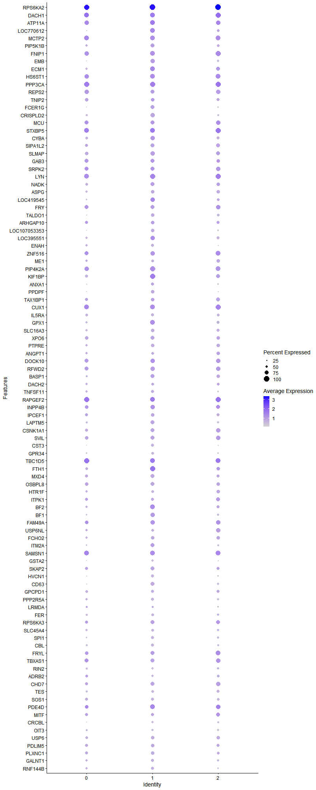
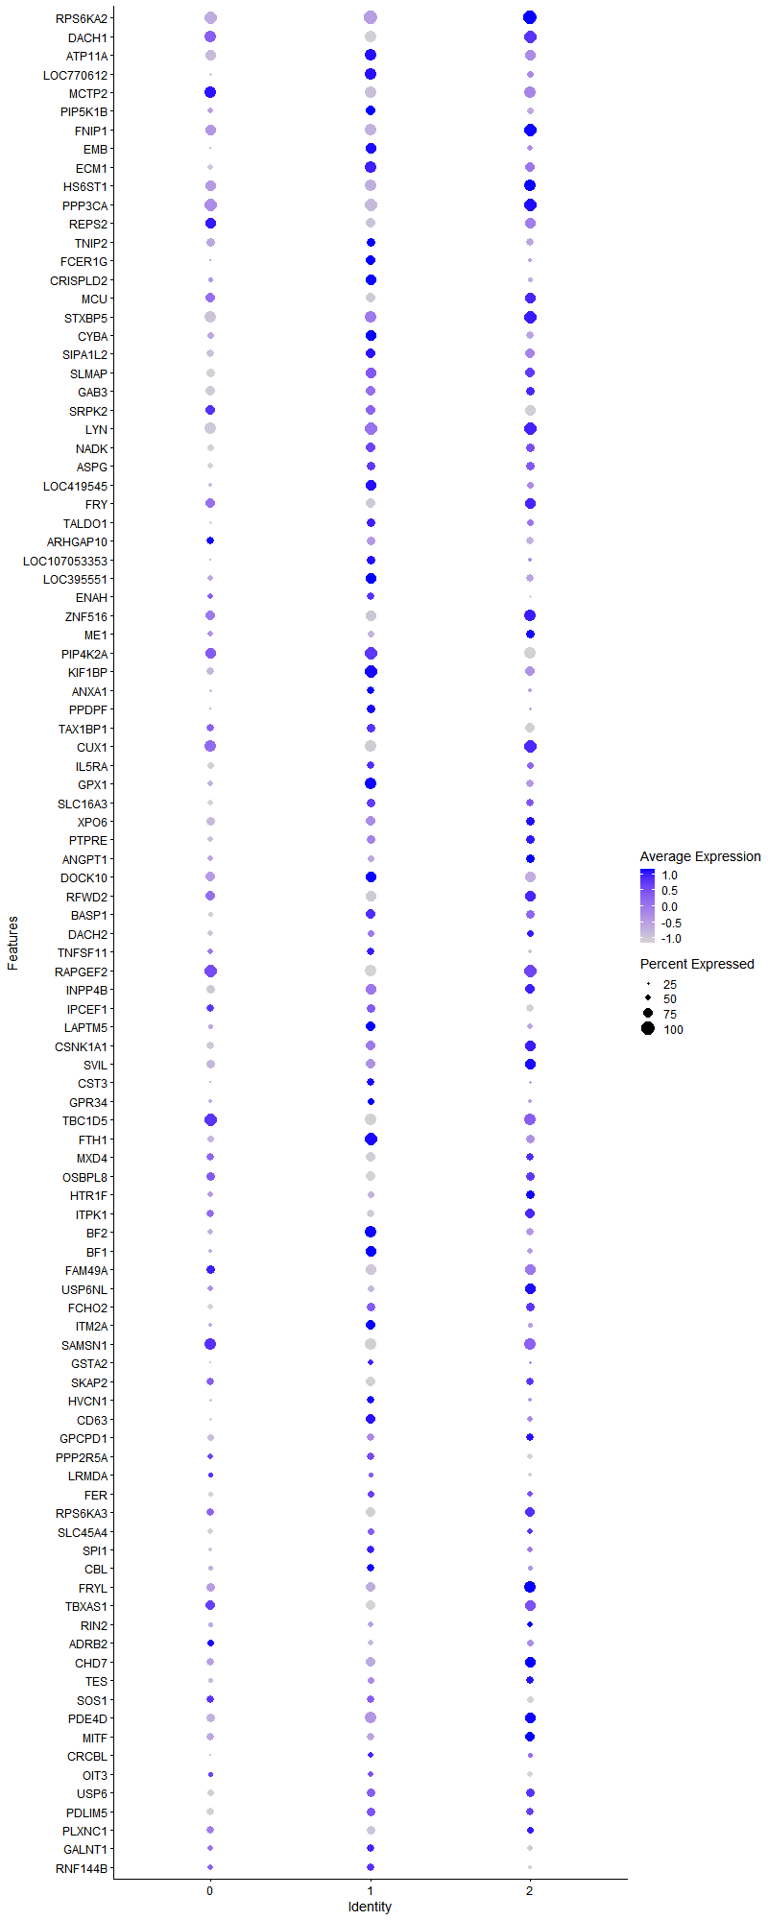
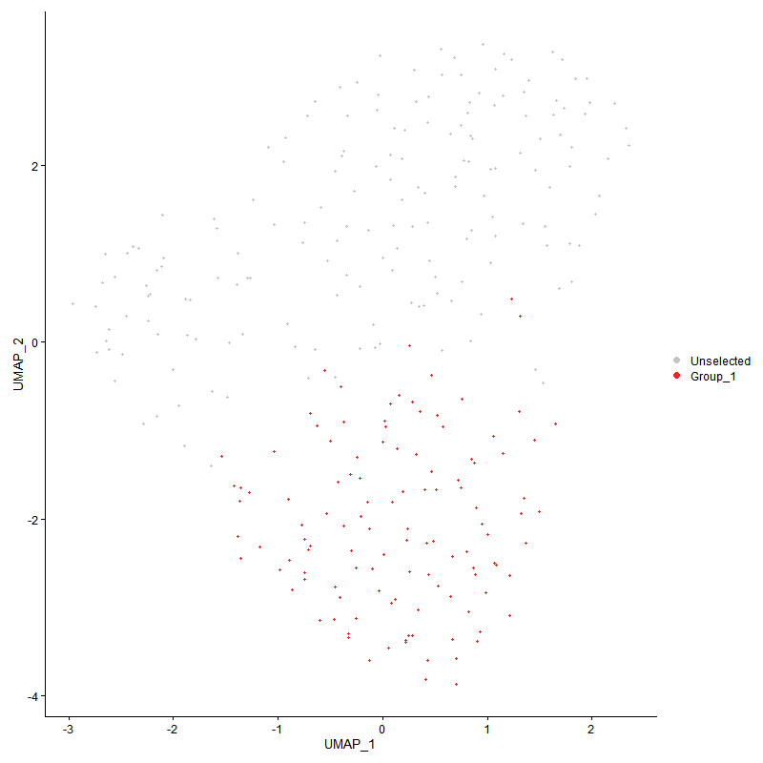
 | p_val | avg_log2FC | pct.1 | pct.2 | p_val_adj | cluster | gene
RPS6KA21 | 6.4353443423E-282 | 4.7049658875 | 1 | 0.091 | 9.8274143451E-278 | 1 | RPS6KA2
DACH11 | 0 | 2.872501346 | 0.889 | 0.019 | 0 | 1 | DACH1
ATP11A1 | 9.7377170262E-165 | 2.7161692923 | 0.897 | 0.126 | 1.4870467671E-160 | 1 | ATP11A
LOC7706121 | 6.2304944935E-74 | 2.1750676834 | 0.889 | 0.319 | 9.514588141E-70 | 1 | LOC770612
MCTP21 | 7.8248873573E-90 | 2.0021302822 | 0.872 | 0.218 | 1.1949385483E-85 | 1 | MCTP2
PIP5K1B1 | 0 | 1.916385976 | 0.752 | 0.019 | 0 | 1 | PIP5K1B
FNIP11 | 3.3673688607E-77 | 1.8543038338 | 0.88 | 0.276 | 5.1423089872E-73 | 1 | FNIP1
EMB | 4.605215869E-138 | 1.8041450689 | 0.803 | 0.115 | 7.0326251535E-134 | 1 | EMB
ECM11 | 2.1064717425E-90 | 1.8006713428 | 0.915 | 0.197 | 3.2167929979E-86 | 1 | ECM1
HS6ST11 | 3.1822921376E-71 | 1.8003868275 | 0.923 | 0.316 | 4.8596783234E-67 | 1 | HS6ST1
PPP3CA1 | 1.4140407112E-61 | 1.7996679872 | 0.966 | 0.479 | 2.15938157E-57 | 1 | PPP3CA
REPS21 | 7.2958553646E-127 | 1.7641025338 | 0.752 | 0.105 | 1.1141500727E-122 | 1 | REPS2
TNIP21 | 2.9465587623E-60 | 1.760662233 | 0.667 | 0.166 | 4.4996898859E-56 | 1 | TNIP2
FCER1G1 | 4.5199719651E-166 | 1.75823852 | 0.778 | 0.087 | 6.9024491879E-162 | 1 | FCER1G
CRISPLD21 | 0 | 1.6834985375 | 0.803 | 0.017 | 0 | 1 | CRISPLD2
MCU1 | 6.0236685159E-49 | 1.6715917903 | 0.718 | 0.238 | 9.1987441907E-45 | 1 | MCU
STXBP51 | 1.2063843722E-41 | 1.6643754123 | 0.923 | 0.581 | 1.8422695747E-37 | 1 | STXBP5
CYBA1 | 1.6868391454E-63 | 1.642331146 | 0.846 | 0.312 | 2.5759720589E-59 | 1 | CYBA
SIPA1L21 | 2.1253141478E-134 | 1.6030258158 | 0.726 | 0.09 | 3.245567235E-130 | 1 | SIPA1L2
SLMAP1 | 1.532418657E-81 | 1.6003719277 | 0.795 | 0.192 | 2.3401565312E-77 | 1 | SLMAP
GAB31 | 1.3500270363E-52 | 1.5885968654 | 0.769 | 0.248 | 2.0616262871E-48 | 1 | GAB3
SRPK21 | 8.9349151022E-38 | 1.5591679647 | 0.744 | 0.344 | 1.3644508853E-33 | 1 | SRPK2
LYN1 | 3.2603025014E-54 | 1.5580344614 | 0.957 | 0.349 | 4.9788079499E-50 | 1 | LYN
NADK1 | 5.1181702588E-51 | 1.5529706069 | 0.769 | 0.297 | 7.8159578022E-47 | 1 | NADK
ASPG1 | 3.868382524E-175 | 1.5492232218 | 0.658 | 0.056 | 5.9074069523E-171 | 1 | ASPG
LOC419545 | 1.0809185911E-39 | 1.5050350231 | 0.872 | 0.518 | 1.6506707804E-35 | 1 | LOC419545
FRY1 | 1.6076881752E-53 | 1.5041665728 | 0.761 | 0.244 | 2.4551006123E-49 | 1 | FRY
TALDO11 | 1.2623042943E-104 | 1.4833689447 | 0.726 | 0.12 | 1.9276648878E-100 | 1 | TALDO1
ARHGAP101 | 1.0952336039E-45 | 1.47176551 | 0.709 | 0.23 | 1.6725312366E-41 | 1 | ARHGAP10
LOC1070533531 | 7.4822167145E-99 | 1.4709687745 | 0.65 | 0.099 | 1.1426093145E-94 | 1 | LOC107053353
LOC395551 | 3.2340638725E-62 | 1.4476554969 | 0.795 | 0.195 | 4.9387389397E-58 | 1 | LOC395551
ENAH1 | 2.3229002724E-303 | 1.4353311005 | 0.624 | 0.028 | 3.5473010059E-299 | 1 | ENAH
ZNF5161 | 5.0058723621E-56 | 1.4272113824 | 0.846 | 0.269 | 7.6444676842E-52 | 1 | ZNF516
ME11 | 2.1549301101E-208 | 1.4174990785 | 0.547 | 0.031 | 3.2907937712E-204 | 1 | ME1
PIP4K2A1 | 4.7241967174E-44 | 1.4001379179 | 0.94 | 0.596 | 7.2143208071E-40 | 1 | PIP4K2A
KIF1BP | 8.346066065E-47 | 1.3993193316 | 0.957 | 0.709 | 1.2745277488E-42 | 1 | KIF1BP
ANXA12 | 2.450704777E-56 | 1.3742705746 | 0.641 | 0.141 | 3.7424712649E-52 | 1 | ANXA1
PPDPF | 1.1701374569E-73 | 1.3703633268 | 0.701 | 0.139 | 1.7869169105E-69 | 1 | PPDPF
TAX1BP11 | 5.5682004759E-27 | 1.3512112653 | 0.692 | 0.349 | 8.5031989467E-23 | 1 | TAX1BP1
CUX11 | 1.0150219877E-40 | 1.3511311182 | 0.906 | 0.619 | 1.5500400775E-36 | 1 | CUX1
IL5RA1 | 0 | 1.3348018618 | 0.573 | 0.009 | 0 | 1 | IL5RA
GPX1 | 6.1207079094E-40 | 1.3220518135 | 0.889 | 0.447 | 9.3469330485E-36 | 1 | GPX1
SLC16A31 | 1.8997696616E-110 | 1.3153755319 | 0.692 | 0.096 | 2.9011382502E-106 | 1 | SLC16A3
XPO61 | 1.3596545414E-44 | 1.3135401117 | 0.752 | 0.309 | 2.0763284502E-40 | 1 | XPO6
PTPRE1 | 5.3390698013E-87 | 1.3129113386 | 0.667 | 0.116 | 8.1532934935E-83 | 1 | PTPRE
ANGPT11 | 1.5236817211E-57 | 1.3085986539 | 0.513 | 0.093 | 2.3268143563E-53 | 1 | ANGPT1
DOCK101 | 4.4780403158E-28 | 1.2944234042 | 0.838 | 0.586 | 6.8384153662E-24 | 1 | DOCK10
RFWD21 | 8.8196507577E-36 | 1.2929198738 | 0.795 | 0.392 | 1.3468488672E-31 | 1 | RFWD2
BASP11 | 2.9080340739E-41 | 1.2843647742 | 0.761 | 0.291 | 4.4408588343E-37 | 1 | BASP1
DACH21 | 3.1196518158E-59 | 1.2556011551 | 0.547 | 0.101 | 4.764020288E-55 | 1 | DACH2
TNFSF111 | 5.1934154117E-46 | 1.2432718212 | 0.598 | 0.157 | 7.9308646752E-42 | 1 | TNFSF11
RAPGEF21 | 1.0596474384E-31 | 1.2431529701 | 0.906 | 0.645 | 1.6181876032E-27 | 1 | RAPGEF2
INPP4B1 | 9.3002168688E-28 | 1.2175380744 | 0.795 | 0.371 | 1.420236118E-23 | 1 | INPP4B
IPCEF11 | 3.0077469419E-36 | 1.2128134268 | 0.701 | 0.27 | 4.5931303549E-32 | 1 | IPCEF1
LAPTM51 | 1.1113482748E-33 | 1.2059393012 | 0.735 | 0.336 | 1.6971399505E-29 | 1 | LAPTM5
CSNK1A11 | 3.2021803213E-32 | 1.1989438068 | 0.735 | 0.374 | 4.8900495686E-28 | 1 | CSNK1A1
SVIL1 | 2.0028951856E-33 | 1.1824169682 | 0.752 | 0.34 | 3.0586212379E-29 | 1 | SVIL
CST3 | 1.7991010379E-46 | 1.1771427812 | 0.607 | 0.167 | 2.747407195E-42 | 1 | CST3
GPR341 | 2.1743774089E-174 | 1.1662149956 | 0.53 | 0.035 | 3.3204917411E-170 | 1 | GPR34
TBC1D51 | 1.0289525492E-26 | 1.1621801566 | 0.94 | 0.763 | 1.5713134378E-22 | 1 | TBC1D5
FTH1 | 1.2114223742E-39 | 1.1611358483 | 0.974 | 0.596 | 1.8499631077E-35 | 1 | FTH1
MXD41 | 2.7919038812E-44 | 1.1608871067 | 0.761 | 0.293 | 4.263516417E-40 | 1 | MXD4
OSBPL81 | 1.0429850666E-31 | 1.1188982247 | 0.744 | 0.354 | 1.5927424952E-27 | 1 | OSBPL8
HTR1F1 | 1.347299846E-52 | 1.1143138651 | 0.513 | 0.101 | 2.0574615948E-48 | 1 | HTR1F
ITPK11 | 1.7748315667E-22 | 1.1137964849 | 0.598 | 0.288 | 2.7103452855E-18 | 1 | ITPK1
BF2 | 2.684201633E-28 | 1.1039842704 | 0.897 | 0.701 | 4.0990443137E-24 | 1 | BF2
BF1 | 9.362232599E-30 | 1.1026778532 | 0.846 | 0.575 | 1.4297065402E-25 | 1 | BF1
FAM49A1 | 7.8847316565E-24 | 1.1011800559 | 0.821 | 0.609 | 1.2040773713E-19 | 1 | FAM49A
USP6NL1 | 1.5028954581E-30 | 1.1006960571 | 0.547 | 0.186 | 2.295071654E-26 | 1 | USP6NL
FCHO21 | 7.9826268478E-26 | 1.0758900963 | 0.684 | 0.355 | 1.2190269459E-21 | 1 | FCHO2
ITM2A | 1.4434241826E-25 | 1.0750701747 | 0.795 | 0.505 | 2.2042530693E-21 | 1 | ITM2A
SAMSN11 | 1.0469059956E-25 | 1.0690175372 | 0.889 | 0.614 | 1.5987301459E-21 | 1 | SAMSN1
GSTA2 | 1.4993396334E-170 | 1.0569252091 | 0.487 | 0.031 | 2.2896415541E-166 | 1 | GSTA2
SKAP21 | 2.8493013713E-27 | 1.0425173678 | 0.735 | 0.362 | 4.3511681242E-23 | 1 | SKAP2
HVCN1 | 5.2781041098E-49 | 1.0353342988 | 0.658 | 0.171 | 8.0601927861E-45 | 1 | HVCN1
CD63 | 5.6918222619E-31 | 1.0175207658 | 0.718 | 0.334 | 8.6919817762E-27 | 1 | CD63
GPCPD11 | 3.1085725121E-20 | 1.0103891036 | 0.615 | 0.326 | 4.7471010833E-16 | 1 | GPCPD1
PPP2R5A1 | 7.1261036857E-28 | 1.0050077832 | 0.573 | 0.219 | 1.0882272938E-23 | 1 | PPP2R5A
LRMDA1 | 1.6074147659E-12 | 1.0025200018 | 0.385 | 0.156 | 2.454683089E-08 | 1 | LRMDA
FER1 | 6.627378423E-22 | 0.99519961931 | 0.53 | 0.22 | 1.012066959E-17 | 1 | FER
RPS6KA31 | 4.5480066259E-24 | 0.99089293756 | 0.795 | 0.493 | 6.9452609184E-20 | 1 | RPS6KA3
SLC45A41 | 6.4904005991E-28 | 0.98991099218 | 0.53 | 0.177 | 9.9114907549E-24 | 1 | SLC45A4
SPI11 | 6.9490545624E-36 | 0.98125852003 | 0.632 | 0.202 | 1.0611901222E-31 | 1 | SPI1
CBL1 | 1.4404748189E-31 | 0.97795003561 | 0.598 | 0.22 | 2.199749096E-27 | 1 | CBL
FRYL1 | 2.7469366963E-20 | 0.97558675004 | 0.795 | 0.573 | 4.1948470289E-16 | 1 | FRYL
TBXAS11 | 1.2137717869E-27 | 0.9707918803 | 0.726 | 0.305 | 1.8535508958E-23 | 1 | TBXAS1
RIN21 | 4.521764318E-61 | 0.97019398297 | 0.496 | 0.086 | 6.90518629E-57 | 1 | RIN2
ADRB21 | 2.6564044799E-17 | 0.956037953 | 0.496 | 0.239 | 4.0565952813E-13 | 1 | ADRB2
CHD71 | 1.6371164515E-22 | 0.9536313101 | 0.769 | 0.428 | 2.5000405331E-18 | 1 | CHD7
TES1 | 1.5732866103E-42 | 0.94998076208 | 0.556 | 0.144 | 2.4025659826E-38 | 1 | TES
SOS11 | 9.4033677706E-21 | 0.94432082053 | 0.59 | 0.293 | 1.4359882923E-16 | 1 | SOS1
PDE4D1 | 2.7760657452E-27 | 0.94211037286 | 0.915 | 0.513 | 4.2393299994E-23 | 1 | PDE4D
MITF1 | 6.3555702543E-22 | 0.94013279494 | 0.641 | 0.28 | 9.7055913353E-18 | 1 | MITF
CRCBL1 | 2.6265002325E-53 | 0.93160797253 | 0.453 | 0.081 | 4.0109285051E-49 | 1 | CRCBL
OIT31 | 9.3168182119E-63 | 0.92934813992 | 0.453 | 0.07 | 1.4227713091E-58 | 1 | OIT3
USP61 | 7.091810027E-21 | 0.9286422632 | 0.667 | 0.359 | 1.0829903092E-16 | 1 | USP6
PDLIM51 | 7.5098352305E-19 | 0.92623027433 | 0.692 | 0.399 | 1.1468269381E-14 | 1 | PDLIM5
PLXNC11 | 1.3899971178E-22 | 0.92416430476 | 0.701 | 0.364 | 2.1226645985E-18 | 1 | PLXNC1
GALNT11 | 5.2477296758E-18 | 0.92364956122 | 0.615 | 0.323 | 8.0138079879E-14 | 1 | GALNT1
RNF144B1 | 2.1492570146E-25 | 0.90856366606 | 0.658 | 0.272 | 3.282130387E-21 | 1 | RNF144B
ST71 | 9.4942017199E-99 | 0.90009267098 | 0.436 | 0.041 | 1.4498595446E-94 | 1 | ST7
NAV31 | 4.8875604892E-20 | 0.90003978933 | 0.53 | 0.214 | 7.463793623E-16 | 1 | NAV3
TIPARP1 | 1.3383691447E-21 | 0.89580575862 | 0.641 | 0.321 | 2.0438235209E-17 | 1 | TIPARP
CAMKMT1 | 4.2660635655E-10 | 0.89166514149 | 0.248 | 0.09 | 6.5147056709E-06 | 1 | CAMKMT
GNA131 | 3.911851604E-12 | 0.88577536574 | 0.769 | 0.687 | 5.9737885845E-08 | 1 | GNA13
C9ORF58 | 5.9867569241E-45 | 0.87570757742 | 0.444 | 0.087 | 9.1423764988E-41 | 1 | C9ORF58
DPYD1 | 2.5635874344E-10 | 0.87466579012 | 0.598 | 0.401 | 3.9148543711E-06 | 1 | DPYD
RGS11 | 8.2712433026E-19 | 0.86905249637 | 0.803 | 0.6 | 1.2631015647E-14 | 1 | RGS1
KCTD12 | 4.2929983695E-41 | 0.86597233703 | 0.427 | 0.087 | 6.55583781E-37 | 1 | KCTD12
ZBTB371 | 2.7409947077E-42 | 0.86365884224 | 0.496 | 0.115 | 4.1857730181E-38 | 1 | ZBTB37
B2M | 1.1758522728E-29 | 0.86339515569 | 0.581 | 0.209 | 1.7956440058E-25 | 1 | B2M
CSF2RB | 0 | 0.85704873826 | 0.427 | 0.011 | 0 | 1 | CSF2RB
SORL11 | 6.7520720131E-63 | 0.85326099513 | 0.393 | 0.052 | 1.0311089171E-58 | 1 | SORL1
IFRD11 | 8.3569331967E-20 | 0.85030657987 | 0.504 | 0.209 | 1.2761872685E-15 | 1 | IFRD1
SLC6A61 | 5.2926331426E-20 | 0.84221228949 | 0.966 | 0.884 | 8.0823800721E-16 | 1 | SLC6A6
DIAPH21 | 6.3563399302E-13 | 0.84035845931 | 0.974 | 0.903 | 9.7067667075E-09 | 1 | DIAPH2
ITM2B | 3.8935852071E-38 | 0.83648613791 | 0.487 | 0.121 | 5.9458939698E-34 | 1 | ITM2B
GADL11 | 1.8338641404E-60 | 0.83575252907 | 0.308 | 0.033 | 2.8004939288E-56 | 1 | GADL1
LSP1P1 | 8.1156703762E-14 | 0.8333592019 | 0.624 | 0.417 | 1.2393440231E-09 | 1 | LSP1P1
WIPF11 | 1.600352253E-16 | 0.83208807579 | 0.65 | 0.423 | 2.4438979255E-12 | 1 | WIPF1
CHSY11 | 7.9529728686E-30 | 0.83111300529 | 0.479 | 0.139 | 1.2144984868E-25 | 1 | CHSY1
SH3BP21 | 1.0660495958E-20 | 0.82978821971 | 0.282 | 0.07 | 1.6279643378E-16 | 1 | SH3BP2
CAMK1D1 | 7.9884677137E-11 | 0.82887044283 | 0.701 | 0.469 | 1.2199189046E-06 | 1 | CAMK1D
SPTBN11 | 2.0471932384E-19 | 0.82309823207 | 0.855 | 0.731 | 3.1262687944E-15 | 1 | SPTBN1
EML41 | 5.8981478137E-25 | 0.82278677118 | 0.812 | 0.396 | 9.0070615263E-21 | 1 | EML4
JAK11 | 3.2520234488E-17 | 0.82230811792 | 0.795 | 0.646 | 4.9661650086E-13 | 1 | JAK1
RALGAPA11 | 6.1849704458E-10 | 0.8101082151 | 0.513 | 0.314 | 9.4450683678E-06 | 1 | RALGAPA1
LRP81 | 2.2636548605E-17 | 0.80489110325 | 0.282 | 0.077 | 3.4568273375E-13 | 1 | LRP8
SREBF21 | 6.8718683971E-12 | 0.80182355445 | 0.564 | 0.387 | 1.0494030229E-07 | 1 | SREBF2
TNNT31 | 5.0451983136E-24 | 0.79797914977 | 0.376 | 0.108 | 7.7045223447E-20 | 1 | TNNT3
ITGAD1 | 1.0200503111E-24 | 0.79603973751 | 0.538 | 0.199 | 1.5577188301E-20 | 1 | ITGAD
LASP1 | 1.9657529671E-21 | 0.79416142288 | 0.419 | 0.143 | 3.001901356E-17 | 1 | LASP1
ACTB | 1.183959346E-16 | 0.78889578175 | 0.906 | 0.687 | 1.8080243173E-12 | 1 | ACTB
LOC1070531941 | 2.1455622518E-56 | 0.78588781084 | 0.462 | 0.073 | 3.2764881146E-52 | 1 | LOC107053194
PTP4A1 | 4.1381717543E-23 | 0.78452086564 | 0.521 | 0.202 | 6.319402086E-19 | 1 | PTP4A1
ALOX5AP1 | 2.3569869607E-41 | 0.78181682021 | 0.35 | 0.061 | 3.5993547878E-37 | 1 | ALOX5AP
TPD521 | 2.8992240976E-34 | 0.77657225826 | 0.479 | 0.125 | 4.4274051195E-30 | 1 | TPD52
LDHA | 9.1770857164E-23 | 0.77069211648 | 0.427 | 0.134 | 1.4014327597E-18 | 1 | LDHA
CCL51 | 2.1305072826E-113 | 0.76781609139 | 0.282 | 0.015 | 3.2534976712E-109 | 1 | CCL5
LOC112531212 | 0 | 0.76656015413 | 0.385 | 0.004 | 0 | 1 | LOC112531212
ABCC31 | 8.6686419681E-78 | 0.76651930946 | 0.385 | 0.041 | 1.3237883149E-73 | 1 | ABCC3
SERPINE21 | 1.4126629628E-44 | 0.76156985154 | 0.453 | 0.092 | 2.1572776104E-40 | 1 | SERPINE2
PTAFR1 | 5.3477837444E-33 | 0.76075141575 | 0.376 | 0.083 | 8.1666005561E-29 | 1 | PTAFR
CDK171 | 6.1607226373E-09 | 0.75678610863 | 0.65 | 0.525 | 9.4080395394E-05 | 1 | CDK17
FUT81 | 9.5950375279E-16 | 0.75567556206 | 0.556 | 0.284 | 1.4652581809E-11 | 1 | FUT8
GAPDH | 1.8978125836E-13 | 0.75558942708 | 0.59 | 0.335 | 2.8981495964E-09 | 1 | GAPDH
KDM7A1 | 2.1740158456E-15 | 0.75330272274 | 0.795 | 0.541 | 3.3199395979E-11 | 1 | KDM7A
PLAU1 | 3.1894763538E-295 | 0.75093759755 | 0.419 | 0.012 | 4.8706493399E-291 | 1 | PLAU
CCPG11 | 2.1746838566E-21 | 0.74424766976 | 0.444 | 0.156 | 3.3209597175E-17 | 1 | CCPG1
SRGAP31 | 4.0470068965E-31 | 0.73958883394 | 0.436 | 0.114 | 6.1801842316E-27 | 1 | SRGAP3
MADD1 | 4.3662835511E-19 | 0.72942212363 | 0.598 | 0.277 | 6.6677516108E-15 | 1 | MADD
PPM1F1 | 2.375872681E-29 | 0.72804839118 | 0.368 | 0.086 | 3.6281951712E-25 | 1 | PPM1F
EHD3 | 1.9917056481E-08 | 0.72758455181 | 0.419 | 0.246 | 0.00030415336951 | 1 | EHD3
MAPK31 | 8.6414351341E-11 | 0.72439341895 | 0.581 | 0.413 | 1.3196335593E-06 | 1 | MAPK3
TLK1 | 3.6443690573E-09 | 0.71990039464 | 0.462 | 0.266 | 5.5653159873E-05 | 1 | TLK1
SH3BGRL3 | 1.8648393076E-15 | 0.71880901562 | 0.521 | 0.256 | 2.8477961067E-11 | 1 | SH3BGRL3
CREG1 | 9.2664224538E-14 | 0.71878922383 | 0.436 | 0.202 | 1.4150753729E-09 | 1 | CREG1
MYH91 | 7.9230442131E-17 | 0.71811148304 | 0.932 | 0.864 | 1.2099280818E-12 | 1 | MYH9
CSF2RA1 | 1.8112593475E-42 | 0.71606994938 | 0.359 | 0.061 | 2.7659741495E-38 | 1 | CSF2RA
PGD | 2.0449657978E-39 | 0.71205501903 | 0.453 | 0.1 | 3.1228672698E-35 | 1 | PGD
STRN1 | 5.1092235804E-11 | 0.70730707166 | 0.538 | 0.359 | 7.8022953297E-07 | 1 | STRN
MARCH81 | 7.6951113081E-12 | 0.70648765604 | 0.65 | 0.411 | 1.1751204479E-07 | 1 | MARCH8
TF | 4.7858323752E-26 | 0.69820479675 | 0.487 | 0.139 | 7.3084446201E-22 | 1 | TF
RNF11 | 3.2895457732E-17 | 0.69612727253 | 0.402 | 0.152 | 5.0234653503E-13 | 1 | RNF11
PDK31 | 1.5561109629E-17 | 0.69600921184 | 0.496 | 0.216 | 2.3763370514E-13 | 1 | PDK3
RBM241 | 1.222535305E-46 | 0.69379411256 | 0.333 | 0.049 | 1.8669336642E-42 | 1 | RBM24
ACSL41 | 8.6126492415E-12 | 0.69221084091 | 0.479 | 0.256 | 1.3152376657E-07 | 1 | ACSL4
LOC101747587 | 2.2173385638E-14 | 0.68248373324 | 0.846 | 0.699 | 3.3860977207E-10 | 1 | LOC101747587
FAM49B1 | 1.7296755417E-10 | 0.68196761954 | 0.709 | 0.583 | 2.6413875197E-06 | 1 | FAM49B
ANKRD111 | 3.3382848986E-14 | 0.68071994292 | 0.855 | 0.717 | 5.0978948687E-10 | 1 | ANKRD11
ADAM101 | 1.1991558992E-09 | 0.6792342711 | 0.641 | 0.513 | 1.8312309736E-05 | 1 | ADAM10
CD471 | 1.0499267106E-11 | 0.67827934609 | 0.744 | 0.623 | 1.6033430797E-07 | 1 | CD47
FBP1 | 2.8227107873E-75 | 0.67475616598 | 0.325 | 0.03 | 4.3105616432E-71 | 1 | FBP1
OSBPL21 | 1.3690947142E-27 | 0.6719338045 | 0.359 | 0.089 | 2.0907445381E-23 | 1 | OSBPL2
CD881 | 4.3070944878E-27 | 0.67181079174 | 0.376 | 0.093 | 6.5773639924E-23 | 1 | CD88
STK101 | 3.1488238656E-11 | 0.66454529033 | 0.684 | 0.488 | 4.8085689252E-07 | 1 | STK10
IL17RA1 | 3.2511466711E-15 | 0.6636316748 | 0.402 | 0.161 | 4.9648260815E-11 | 1 | IL17RA
ANKRD441 | 3.03829461E-15 | 0.66095184691 | 0.915 | 0.854 | 4.639779699E-11 | 1 | ANKRD44
RABGAP1L1 | 5.0121558479E-10 | 0.6579987426 | 0.667 | 0.518 | 7.6540631953E-06 | 1 | RABGAP1L
KIF13A1 | 1.7110891039E-06 | 0.65659485386 | 0.419 | 0.268 | 0.026130041705 | 1 | KIF13A
SPSB11 | 2.9422037461E-14 | 0.65563690474 | 0.444 | 0.195 | 4.4930393406E-10 | 1 | SPSB1
ADAM191 | 0 | 0.65237910292 | 0.308 | 0.004 | 0 | 1 | ADAM19
MAPKAPK21 | 1.6108516238E-21 | 0.65158959653 | 0.393 | 0.124 | 2.4599315147E-17 | 1 | MAPKAPK2
JAK21 | 4.7198042045E-08 | 0.64467946572 | 0.538 | 0.372 | 0.00072076130006 | 1 | JAK2
CRIP1 | 2.594593661E-09 | 0.64355434135 | 0.496 | 0.289 | 3.9622039797E-05 | 1 | CRIP1
LOC112533358 | 9.8405490136E-21 | 0.64325671976 | 0.325 | 0.089 | 1.5027502399E-16 | 1 | LOC112533358
AVL91 | 1.3304627434E-31 | 0.63842673713 | 0.368 | 0.081 | 2.0317496554E-27 | 1 | AVL9
IFIT5 | 8.4228536951E-47 | 0.63581696393 | 0.239 | 0.025 | 1.2862539878E-42 | 1 | IFIT5
WBSCR171 | 3.5691452531E-132 | 0.63155476789 | 0.308 | 0.015 | 5.4504417161E-128 | 1 | WBSCR17
ADIPOR21 | 9.3468393083E-09 | 0.62912106999 | 0.53 | 0.355 | 0.00014273558308 | 1 | ADIPOR2
EXOC31 | 2.7026457322E-28 | 0.62820655705 | 0.444 | 0.127 | 4.1272102977E-24 | 1 | EXOC3
DENND4A1 | 3.2605296848E-15 | 0.6280551555 | 0.521 | 0.234 | 4.9791548817E-11 | 1 | DENND4A
PRAM11 | 1.5188196047E-20 | 0.62781546886 | 0.325 | 0.09 | 2.3193894183E-16 | 1 | PRAM1
MAPK111 | 5.801383755E-47 | 0.62317219354 | 0.368 | 0.058 | 8.8592931323E-43 | 1 | MAPK11
LOC1211064551 | 6.7573340596E-09 | 0.62033560398 | 0.641 | 0.437 | 0.00010319124842 | 1 | LOC121106455
LTA4H1 | 7.2778243692E-17 | 0.61982428758 | 0.393 | 0.142 | 1.1113965594E-12 | 1 | LTA4H
IPMK1 | 2.1391404445E-16 | 0.61409216024 | 0.487 | 0.209 | 3.2666813727E-12 | 1 | IPMK
ERGIC11 | 1.1804466016E-10 | 0.61202308551 | 0.453 | 0.255 | 1.8026600053E-06 | 1 | ERGIC1
SERPINB10B | 2.8907720565E-162 | 0.60672463594 | 0.222 | 0.006 | 4.4144980075E-158 | 1 | SERPINB10B
F10 | 4.3878017045E-23 | 0.60469353334 | 0.325 | 0.082 | 6.700611983E-19 | 1 | F10
KANK11 | 2.3737423399E-51 | 0.6020131475 | 0.179 | 0.013 | 3.6249419273E-47 | 1 | KANK1
MGAT5B1 | 1.2611575282E-13 | 0.60176767625 | 0.556 | 0.302 | 1.9259136614E-09 | 1 | MGAT5B
FOXO31 | 1.8358117524E-07 | 0.59943393018 | 0.325 | 0.168 | 0.0028034681271 | 1 | FOXO3
BNIP31 | 1.5064619773E-18 | 0.59911104763 | 0.333 | 0.101 | 2.3005180856E-14 | 1 | BNIP3
CHCHD61 | 3.5906814991E-28 | 0.59734671623 | 0.299 | 0.06 | 5.4833297172E-24 | 1 | CHCHD6
CPEB31 | 3.4007503704E-17 | 0.59335555355 | 0.359 | 0.118 | 5.1932858907E-13 | 1 | CPEB3
RASSF21 | 7.8048125343E-11 | 0.59015772273 | 0.504 | 0.274 | 1.1918729221E-06 | 1 | RASSF2
CCLL4 | 5.2715666278E-206 | 0.58954141981 | 0.214 | 0.004 | 8.0502093973E-202 | 1 | CCLL4
MICAL21 | 1.8015519956E-15 | 0.58492214774 | 0.316 | 0.103 | 2.7511500525E-11 | 1 | MICAL2
ADGB1 | 1.2480049419E-26 | 0.58460218617 | 0.214 | 0.034 | 1.9058283467E-22 | 1 | ADGB
IGF1R1 | 2.2524954313E-09 | 0.58388391091 | 0.581 | 0.355 | 3.4397857731E-05 | 1 | IGF1R
KIAA16711 | 1.2806657267E-32 | 0.57835610076 | 0.325 | 0.061 | 1.9557046313E-28 | 1 | KIAA1671
MKL11 | 1.2226399566E-10 | 0.57820818397 | 0.436 | 0.23 | 1.8670934778E-06 | 1 | MKL1
DENND5A1 | 1.3492215002E-08 | 0.57029650198 | 0.487 | 0.298 | 0.0002060396153 | 1 | DENND5A
CMTM41 | 6.2478252813E-24 | 0.56195067145 | 0.376 | 0.103 | 9.541053987E-20 | 1 | CMTM4
CALM2 | 3.5085370929E-06 | 0.56130306659 | 0.504 | 0.37 | 0.053578869946 | 1 | CALM2
TOP2B | 3.5548945973E-07 | 0.56010927667 | 0.573 | 0.454 | 0.0054286795395 | 1 | TOP2B
CD164L21 | 1.7180527533E-152 | 0.55888377076 | 0.316 | 0.014 | 2.6236383596E-148 | 1 | CD164L2
FMNL1 | 1.3673130069E-07 | 0.55871693777 | 0.453 | 0.298 | 0.0020880236928 | 1 | FMNL1
TMEM1041 | 5.451111837E-27 | 0.55709824333 | 0.325 | 0.072 | 8.3243928862E-23 | 1 | TMEM104
PSME41 | 0.00010583214445 | 0.55444641654 | 0.436 | 0.334 | 1 | 1 | PSME4
CPAMD81 | 7.623878795E-84 | 0.55382374907 | 0.222 | 0.012 | 1.1642425308E-79 | 1 | CPAMD8
GPR1411 | 3.8544396231E-168 | 0.55289896746 | 0.256 | 0.008 | 5.8861147484E-164 | 1 | GPR141
IFNAR11 | 1.5582640898E-10 | 0.55184808988 | 0.402 | 0.2 | 2.3796250915E-06 | 1 | IFNAR1
BICD21 | 3.2452874831E-06 | 0.55066177025 | 0.573 | 0.461 | 0.049558785154 | 1 | BICD2
TCP11X2 | 4.9519211312E-11 | 0.55037070036 | 0.393 | 0.193 | 7.5620787594E-07 | 1 | TCP11X2
DAGLA1 | 1.8361437241E-24 | 0.54434196081 | 0.265 | 0.055 | 2.803975081E-20 | 1 | DAGLA
SPAG5 | 0 | 0.54235029195 | 0.248 | 0.003 | 0 | 1 | SPAG5
LAMP2 | 6.633003052E-17 | 0.54119820508 | 0.333 | 0.107 | 1.0129258961E-12 | 1 | LAMP2
VCL1 | 4.5431693255E-08 | 0.53813755068 | 0.487 | 0.297 | 0.0006937873877 | 1 | VCL
HIST1H101 | 8.3564426651E-21 | 0.53753464046 | 0.308 | 0.08 | 1.2761123594E-16 | 1 | HIST1H101
NDEL11 | 5.2080480672E-07 | 0.53555349518 | 0.427 | 0.284 | 0.0079532102035 | 1 | NDEL1
FHIT | 4.4662178072E-07 | 0.53448714676 | 0.427 | 0.234 | 0.0068203612134 | 1 | FHIT
CREM1 | 2.5820804834E-08 | 0.53241916574 | 0.333 | 0.167 | 0.00039430951063 | 1 | CREM
UBASH3B1 | 6.0115337698E-16 | 0.52902991082 | 0.402 | 0.15 | 9.1802132198E-12 | 1 | UBASH3B
KSR11 | 4.9328030524E-08 | 0.52895195858 | 0.333 | 0.167 | 0.00075328835413 | 1 | KSR1
RHOG | 1.4365311155E-17 | 0.52517048249 | 0.359 | 0.12 | 2.1937266665E-13 | 1 | RHOG
FARP11 | 8.9007801482E-28 | 0.52227245549 | 0.222 | 0.035 | 1.3592381364E-23 | 1 | FARP1
SLC35E2B1 | 3.068647128E-16 | 0.52098294538 | 0.368 | 0.129 | 4.6861310292E-12 | 1 | SLC35E2B
RP2 | 1.0156096441E-13 | 0.51987430426 | 0.385 | 0.156 | 1.5509374875E-09 | 1 | RP2
SNX161 | 7.248140253E-42 | 0.51812146142 | 0.256 | 0.032 | 1.106863498E-37 | 1 | SNX16
MYO9B1 | 1.7916671279E-07 | 0.51786639512 | 0.547 | 0.415 | 0.002736054871 | 1 | MYO9B
CAMK2G1 | 1.6080755174E-08 | 0.51520309623 | 0.402 | 0.214 | 0.00024556921226 | 1 | CAMK2G
CCNG2 | 4.9417067063E-16 | 0.51448022826 | 0.325 | 0.106 | 7.5464803113E-12 | 1 | CCNG2
MAPK41 | 4.3027385186E-05 | 0.51316315881 | 0.385 | 0.266 | 0.65707119917 | 1 | MAPK4
ANP32A1 | 5.4085544154E-12 | 0.51248723433 | 0.444 | 0.221 | 8.2594034478E-08 | 1 | ANP32A
LOC1070528741 | 4.648356634E-31 | 0.51210421299 | 0.222 | 0.032 | 7.0985054157E-27 | 1 | LOC107052874
FOCAD1 | 1.3364381165E-12 | 0.51042517876 | 0.291 | 0.103 | 2.0408746477E-08 | 1 | FOCAD
LNPEP | 3.4273218761E-10 | 0.50610890931 | 0.436 | 0.231 | 5.233863237E-06 | 1 | LNPEP
EXOC61 | 1.6519984569E-07 | 0.50510052103 | 0.53 | 0.335 | 0.0025227668435 | 1 | EXOC6
ANTXR21 | 3.41263821E-06 | 0.50487247629 | 0.59 | 0.438 | 0.052114398105 | 1 | ANTXR2
NOTCH21 | 2.4679193402E-06 | 0.50413563841 | 0.487 | 0.358 | 0.037687596245 | 1 | NOTCH2
ARHGDIB | 1.8787273523E-11 | 0.50286145756 | 0.368 | 0.161 | 2.8690045398E-07 | 1 | ARHGDIB
RNF1281 | 2.4768334685E-206 | 0.50214622998 | 0.248 | 0.006 | 3.7823723898E-202 | 1 | RNF128
UTRN1 | 3.2204952641E-09 | 0.50088950643 | 0.983 | 0.92 | 4.9180183178E-05 | 1 | UTRN
PITPNC11 | 6.0920337705E-08 | 0.49885665301 | 0.761 | 0.635 | 0.00093031447709 | 1 | PITPNC1
LOC4156161 | 8.2304556137E-57 | 0.49776247777 | 0.265 | 0.026 | 1.2568728768E-52 | 1 | LOC415616
PER21 | 1.0039477376E-05 | 0.49737352132 | 0.41 | 0.278 | 0.15331285902 | 1 | PER2
LOC422090 | 4.8513435833E-50 | 0.49644525703 | 0.35 | 0.049 | 7.408486786E-46 | 1 | LOC422090
SIRPA | 3.8137021601E-59 | 0.49585640306 | 0.214 | 0.017 | 5.8239045686E-55 | 1 | SIRPA
TMEM170B1 | 1.9995007402E-20 | 0.49517498545 | 0.248 | 0.055 | 3.0534375803E-16 | 1 | TMEM170B
SMAP2 | 5.1818819604E-08 | 0.49399575561 | 0.479 | 0.309 | 0.00079132519417 | 1 | SMAP2
MYO101 | 8.9227213814E-87 | 0.49307915639 | 0.231 | 0.013 | 1.3625887822E-82 | 1 | MYO10
HK21 | 3.6722677292E-07 | 0.49218820436 | 0.393 | 0.234 | 0.0056079200492 | 1 | HK2
TMEM2511 | 1.2504389814E-08 | 0.49192782844 | 0.376 | 0.206 | 0.00019095453685 | 1 | TMEM251
TBC1D141 | 1.7034284977E-06 | 0.49176950141 | 0.342 | 0.195 | 0.026013056589 | 1 | TBC1D14
SAT1 | 2.4376396734E-07 | 0.49019263246 | 0.479 | 0.307 | 0.0037225195453 | 1 | SAT1
SEPTIN51 | 4.036859829E-10 | 0.49014332488 | 0.47 | 0.231 | 6.1646886449E-06 | 1 | SEPTIN5
LOC1070542541 | 7.8351871458E-30 | 0.4880403844 | 0.239 | 0.037 | 1.196511429E-25 | 1 | LOC107054254
SNTB11 | 2.2419258524E-11 | 0.48752424502 | 0.291 | 0.107 | 3.4236449692E-07 | 1 | SNTB1
ARL6IP1 | 9.3128548682E-26 | 0.48491311025 | 0.35 | 0.085 | 1.4221660669E-21 | 1 | ARL6IP1
CRIM11 | 8.0647178077E-05 | 0.48351188276 | 0.385 | 0.253 | 1 | 1 | CRIM1
H1FX | 1.3627353486E-08 | 0.48349463879 | 0.299 | 0.136 | 0.00020810331509 | 1 | H1FX
CYB5A1 | 4.1485040781E-20 | 0.48298644478 | 0.291 | 0.074 | 6.3351805777E-16 | 1 | CYB5A
RRAGD1 | 1.0052839723E-27 | 0.48150266317 | 0.282 | 0.054 | 1.5351691541E-23 | 1 | RRAGD
CACUL11 | 3.0696827705E-08 | 0.47678679107 | 0.299 | 0.14 | 0.00046877125589 | 1 | CACUL1
PTPN6 | 1.340965944E-07 | 0.4751989345 | 0.376 | 0.209 | 0.0020477890931 | 1 | PTPN6
SH3KBP11 | 2.3285895132E-11 | 0.47188375332 | 0.957 | 0.798 | 3.5559890455E-07 | 1 | SH3KBP1
IL4R | 7.4041464674E-23 | 0.46922111219 | 0.299 | 0.071 | 1.130687207E-18 | 1 | IL4R
S100A11 | 2.0152848629E-09 | 0.46827440049 | 0.333 | 0.154 | 3.0775415142E-05 | 1 | S100A11
DUSP1 | 1.0567087577E-05 | 0.46576274625 | 0.504 | 0.368 | 0.16136999439 | 1 | DUSP1
YTHDC1 | 0.16188960598 | 0.46524009529 | 0.521 | 0.581 | 1 | 1 | YTHDC1
KIAA1109 | 5.8425862343E-07 | 0.46133606767 | 0.513 | 0.361 | 0.0089222134383 | 1 | KIAA1109
DGKH1 | 1.9571931838E-08 | 0.45534627858 | 0.385 | 0.188 | 0.0002988829711 | 1 | DGKH
IRAG21 | 2.3703856466E-10 | 0.45269581854 | 0.325 | 0.132 | 3.6198159209E-06 | 1 | IRAG2
TOM11 | 8.7144039165E-29 | 0.44966057132 | 0.239 | 0.04 | 1.3307766221E-24 | 1 | TOM1
DHRSX1 | 0.059265552307 | 0.44889569037 | 0.274 | 0.218 | 1 | 1 | DHRSX
SNX301 | 1.8426339282E-12 | 0.44665479997 | 0.239 | 0.075 | 2.8138862718E-08 | 1 | SNX30
BMPR21 | 0.021781843611 | 0.44598058252 | 0.436 | 0.374 | 1 | 1 | BMPR2
MCL11 | 1.2351880806E-06 | 0.44597803994 | 0.59 | 0.447 | 0.018862557178 | 1 | MCL1
ARPC2 | 0.00022278287857 | 0.44476339841 | 0.385 | 0.3 | 1 | 1 | ARPC2
HLX | 8.6535979181E-42 | 0.44234355268 | 0.231 | 0.026 | 1.3214909381E-37 | 1 | HLX
SYNE1 | 4.549211028E-08 | 0.44218583662 | 0.949 | 0.767 | 0.00069471001608 | 1 | SYNE1
ARPC1B | 2.9434116872E-06 | 0.44157498948 | 0.393 | 0.25 | 0.044948839875 | 1 | ARPC1B
FGL2 | 8.0280247572E-05 | 0.44149120969 | 0.316 | 0.184 | 1 | 1 | FGL2
LCOR1 | 6.9207967811E-08 | 0.43965323401 | 0.368 | 0.191 | 0.0010568748764 | 1 | LCOR
TMEM1641 | 1.4719071423E-12 | 0.43761950289 | 0.291 | 0.102 | 2.2477493971E-08 | 1 | TMEM164
PPM1A1 | 8.3787016136E-05 | 0.43666621952 | 0.402 | 0.277 | 1 | 1 | PPM1A
NBEAL21 | 1.1360945536E-08 | 0.43596389513 | 0.368 | 0.188 | 0.00017349299928 | 1 | NBEAL2
COTL1 | 2.8130632252E-07 | 0.43530357788 | 0.436 | 0.276 | 0.0042958288512 | 1 | COTL1
EFCAB4B1 | 9.9308544679E-38 | 0.4351837106 | 0.214 | 0.025 | 1.5165407858E-33 | 1 | EFCAB4B
ATF7IP1 | 0.0014038762232 | 0.43093411267 | 0.496 | 0.417 | 1 | 1 | ATF7IP
RALB1 | 2.3345446275E-15 | 0.43050005673 | 0.274 | 0.081 | 3.5650831007E-11 | 1 | RALB
ACVRL1 | 1.14975348E-64 | 0.42884061825 | 0.205 | 0.014 | 1.7557885393E-60 | 1 | ACVRL1
PTPN121 | 1.222612107E-09 | 0.42834126727 | 0.325 | 0.141 | 1.8670509487E-05 | 1 | PTPN12
ABCC4 | 0.0049606633059 | 0.42651932102 | 0.308 | 0.235 | 1 | 1 | ABCC4
LPCAT21 | 4.8330964901E-07 | 0.42567466503 | 0.256 | 0.119 | 0.0073806216501 | 1 | LPCAT2
FBXL41 | 2.6720516608E-11 | 0.42453127811 | 0.282 | 0.1 | 4.0804900913E-07 | 1 | FBXL4
ATP6V1B21 | 5.7853237811E-11 | 0.424483524 | 0.316 | 0.128 | 8.8347679461E-07 | 1 | ATP6V1B2
ALOX51 | 2.6334028167E-20 | 0.4240829152 | 0.197 | 0.037 | 4.0214694414E-16 | 1 | ALOX5
CKLF | 3.655913191E-19 | 0.42276590111 | 0.256 | 0.062 | 5.582945034E-15 | 1 | CKLF
LOC124417243 | 1.9077745164E-06 | 0.42182431163 | 0.274 | 0.141 | 0.02913362464 | 1 | LOC124417243
ZFYVE211 | 2.4494084459E-09 | 0.42093465202 | 0.282 | 0.118 | 3.7404916377E-05 | 1 | ZFYVE21
MXD1 | 1.3041867866E-09 | 0.42086990203 | 0.299 | 0.125 | 1.9916236418E-05 | 1 | MXD1
DENND1A1 | 0.069897422883 | 0.42042859969 | 0.41 | 0.384 | 1 | 1 | DENND1A
ZYX1 | 0.00015766296621 | 0.41764478699 | 0.487 | 0.387 | 1 | 1 | ZYX
ATXN7L11 | 0.0080561758989 | 0.41502796846 | 0.385 | 0.325 | 1 | 1 | ATXN7L1
KLF71 | 0.00075098222098 | 0.41502327082 | 0.325 | 0.22 | 1 | 1 | KLF7
PHOSPHO1 | 3.7931596461E-23 | 0.41488765446 | 0.265 | 0.056 | 5.7925340956E-19 | 1 | PHOSPHO1
LAPTM4A | 3.6535000135E-06 | 0.41379387933 | 0.436 | 0.281 | 0.055792598707 | 1 | LAPTM4A
MAMLD11 | 0.040389210259 | 0.41353671904 | 0.393 | 0.342 | 1 | 1 | MAMLD1
ABCD2 | 3.7174348113E-07 | 0.41344750904 | 0.342 | 0.182 | 0.0056768947004 | 1 | ABCD2
CD55 | 4.5005373534E-12 | 0.41335702887 | 0.197 | 0.055 | 6.8727705924E-08 | 1 | CD55
TBC1D81 | 1.1126558732E-74 | 0.41077771128 | 0.205 | 0.012 | 1.699136784E-70 | 1 | TBC1D8
SUSD61 | 6.1785536098E-05 | 0.4101284515 | 0.684 | 0.644 | 0.94352692176 | 1 | SUSD6
TM6SF1 | 2.420872226E-16 | 0.40980209407 | 0.214 | 0.05 | 3.6969139763E-12 | 1 | TM6SF1
ARID4A1 | 0.011762450663 | 0.40764419873 | 0.453 | 0.42 | 1 | 1 | ARID4A
ELOVL51 | 0.020135762273 | 0.40625934444 | 0.376 | 0.334 | 1 | 1 | ELOVL5
SUSD1 | 3.3060734497E-31 | 0.40620498149 | 0.265 | 0.043 | 5.048704765E-27 | 1 | SUSD1
COG51 | 0.1825400541 | 0.40591218743 | 0.368 | 0.356 | 1 | 1 | COG5
LOC1070543421 | 0.0013571292065 | 0.4058231794 | 0.274 | 0.178 | 1 | 1 | LOC107054342
AKT11 | 0.00036212590698 | 0.40541355295 | 0.291 | 0.186 | 1 | 1 | AKT1
DDEFL11 | 8.2121684361E-31 | 0.40444378486 | 0.231 | 0.034 | 1.2540802419E-26 | 1 | DDEFL1
ABI11 | 6.0252313277E-07 | 0.40430480412 | 0.803 | 0.683 | 0.0092011307606 | 1 | ABI1
REEP21 | 9.8335066553E-05 | 0.40390687386 | 0.179 | 0.087 | 1 | 1 | REEP2
SIK11 | 2.4367063968E-08 | 0.40277970927 | 0.333 | 0.163 | 0.00037210943386 | 1 | SIK1
RPS6KA11 | 5.0380463425E-06 | 0.40227823399 | 0.393 | 0.254 | 0.076936005697 | 1 | RPS6KA1
RFX21 | 1.2520231764E-06 | 0.40178221283 | 0.197 | 0.081 | 0.019119645927 | 1 | RFX2
ABHD21 | 1.0491941927E-15 | 0.40155551937 | 0.256 | 0.07 | 1.6022244517E-11 | 1 | ABHD2
KBTBD8 | 2.0446183019E-12 | 0.40107930381 | 0.231 | 0.07 | 3.1223366089E-08 | 1 | KBTBD8
AFF41 | 0.00092494385867 | 0.40046341135 | 0.513 | 0.447 | 1 | 1 | AFF4
GNG5 | 0.00037847087418 | 0.3993260467 | 0.282 | 0.177 | 1 | 1 | GNG5
ITGB2 | 0.0011532099831 | 0.39912487021 | 0.333 | 0.247 | 1 | 1 | ITGB2
PAK2 | 0.0010030280691 | 0.39663489757 | 0.393 | 0.311 | 1 | 1 | PAK2
ATXN31 | 6.2503384996E-05 | 0.39574949963 | 0.256 | 0.142 | 0.95448919227 | 1 | ATXN3
ITGAV1 | 1.0242163877E-05 | 0.39548636779 | 0.393 | 0.24 | 0.15640808456 | 1 | ITGAV
LOC121107558 | 9.639400923E-25 | 0.39493307873 | 0.188 | 0.029 | 1.4720329149E-20 | 1 | LOC121107558
GMFB | 0.0019993643119 | 0.39422187182 | 0.274 | 0.188 | 1 | 1 | GMFB
SLA1 | 0.00097629876711 | 0.39281149088 | 0.598 | 0.488 | 1 | 1 | SLA
LPAR3 | 7.1207681507E-283 | 0.39273808723 | 0.188 | 0.002 | 1.0874125043E-278 | 1 | LPAR3
GNAI31 | 4.5419083551E-05 | 0.3925167094 | 0.333 | 0.203 | 0.69359482491 | 1 | GNAI3
ACTR2 | 7.9897448413E-06 | 0.39141191321 | 0.41 | 0.271 | 0.12201139347 | 1 | ACTR2
PARP81 | 0.018236268089 | 0.3908222713 | 0.35 | 0.279 | 1 | 1 | PARP8
LOC426456 | 3.4643580732E-237 | 0.39017359931 | 0.214 | 0.003 | 5.2904212135E-233 | 1 | LOC426456
LOC419429 | 5.4877131686E-13 | 0.38723081037 | 0.282 | 0.093 | 8.3802867798E-09 | 1 | LOC419429
EFHD1 | 9.5392584394E-05 | 0.38571560595 | 0.239 | 0.132 | 1 | 1 | EFHD1
CAP1 | 0.00043863117707 | 0.38431542043 | 0.385 | 0.277 | 1 | 1 | CAP1
FAR11 | 3.3818206613E-07 | 0.38306134943 | 0.419 | 0.246 | 0.0051643783318 | 1 | FAR1
RIOK3 | 2.3094474948E-05 | 0.38229594745 | 0.265 | 0.143 | 0.35267572693 | 1 | RIOK3
VOPP11 | 5.4057677177E-13 | 0.38111922278 | 0.154 | 0.034 | 8.2551478818E-09 | 1 | VOPP1
PLEKHB21 | 3.4263068253E-11 | 0.38073167768 | 0.214 | 0.065 | 5.232313153E-07 | 1 | PLEKHB2
TNKS | 0.026434096232 | 0.3791934913 | 0.359 | 0.312 | 1 | 1 | TNKS
MGST1 | 0.00010418741996 | 0.37885003337 | 0.239 | 0.127 | 1 | 1 | MGST1
CTDSP1 | 6.5898743217E-10 | 0.37697472383 | 0.256 | 0.096 | 1.0063397077E-05 | 1 | CTDSP1
TMED101 | 0.03472841593 | 0.37623714797 | 0.427 | 0.417 | 1 | 1 | TMED10
ITGB3 | 9.670414922E-39 | 0.37271612958 | 0.265 | 0.035 | 1.4767690627E-34 | 1 | ITGB3
FAM13A1 | 2.6318615362E-13 | 0.3721522204 | 0.222 | 0.061 | 4.0191157519E-09 | 1 | FAM13A
PNPLA21 | 4.0303551485E-14 | 0.36740529518 | 0.162 | 0.035 | 6.1547553473E-10 | 1 | PNPLA2
VASP | 1.8896594592E-29 | 0.36625127097 | 0.239 | 0.038 | 2.8856989602E-25 | 1 | VASP
FYB1 | 0.0002302861446 | 0.36600871113 | 0.47 | 0.354 | 1 | 1 | FYB1
WDR621 | 0.00022270733477 | 0.3654814358 | 0.154 | 0.07 | 1 | 1 | WDR62
LOC101751709 | 1.7389334037E-29 | 0.36287692923 | 0.239 | 0.038 | 2.6555252009E-25 | 1 | LOC101751709
PIK3CD | 0.00028627381177 | 0.36250191836 | 0.325 | 0.216 | 1 | 1 | PIK3CD
XYLT11 | 0.00037305151983 | 0.36102750362 | 0.547 | 0.422 | 1 | 1 | XYLT1
XPR11 | 9.8659337519E-14 | 0.35977800558 | 0.299 | 0.098 | 1.5066267433E-09 | 1 | XPR1
APBB1IP1 | 9.0989427088E-05 | 0.35853139184 | 0.735 | 0.656 | 1 | 1 | APBB1IP
CMIP1 | 0.00053838888962 | 0.35636884688 | 0.726 | 0.665 | 1 | 1 | CMIP
ATP9B1 | 0.03927302848 | 0.3560648969 | 0.504 | 0.472 | 1 | 1 | ATP9B
SRRL1 | 3.9311596525E-05 | 0.35599878257 | 0.205 | 0.098 | 0.60032739053 | 1 | SRRL
CNNM21 | 0.00021381007782 | 0.35481512111 | 0.256 | 0.145 | 1 | 1 | CNNM2
ATP5I | 2.0028886785E-08 | 0.35470801368 | 0.231 | 0.09 | 0.0003058611301 | 1 | ATP5I
EXOC1 | 0.0063640471638 | 0.35443072889 | 0.291 | 0.209 | 1 | 1 | EXOC1
LOC776816 | 2.9720690973E-06 | 0.35395371788 | 0.872 | 0.784 | 0.045386467185 | 1 | LOC776816
LOC121111712 | 3.5153040861E-39 | 0.35286236015 | 0.205 | 0.022 | 5.3682208699E-35 | 1 | LOC121111712
ACOT9 | 1.6087577405E-10 | 0.35125590898 | 0.197 | 0.06 | 2.4567339455E-06 | 1 | ACOT9
MAF11 | 0.0002874495084 | 0.35110251789 | 0.342 | 0.231 | 1 | 1 | MAF1
SVBP | 7.6311587242E-05 | 0.3504382939 | 0.291 | 0.171 | 1 | 1 | SVBP
NRBF2 | 6.3617225285E-10 | 0.35028149333 | 0.239 | 0.085 | 9.7149864732E-06 | 1 | NRBF2
HIST1H2BO | 8.942831782E-21 | 0.34948631002 | 0.188 | 0.033 | 1.3656598414E-16 | 1 | HIST1H2BO
LBH | 0.10998432524 | 0.34754125337 | 0.188 | 0.148 | 1 | 1 | LBH
GMIP1 | 6.613175012E-08 | 0.34741353685 | 0.248 | 0.105 | 0.0010098979561 | 1 | GMIP
MINOS1 | 0.00010286760423 | 0.34680742537 | 0.222 | 0.118 | 1 | 1 | MINOS1
BANK11 | 1.0234233921E-07 | 0.3465394968 | 0.222 | 0.086 | 0.0015628698621 | 1 | BANK1
ADARB11 | 0.0020903229607 | 0.34600429931 | 0.291 | 0.2 | 1 | 1 | ADARB1
VSIR | 4.2384550494E-05 | 0.34599848888 | 0.316 | 0.192 | 0.64725447059 | 1 | VSIR
E2F3 | 1.1211934254E-06 | 0.344272549 | 0.248 | 0.113 | 0.0171217448 | 1 | E2F3
VPS411 | 0.01232261812 | 0.34426734868 | 0.274 | 0.211 | 1 | 1 | VPS41
NDUFB2 | 0.013327392557 | 0.34410659548 | 0.274 | 0.209 | 1 | 1 | NDUFB2
CRAMP11 | 0.0030786943667 | 0.34271266784 | 0.333 | 0.241 | 1 | 1 | CRAMP1
OSBPL101 | 8.3833531174E-08 | 0.34210217983 | 0.205 | 0.075 | 0.0012802218546 | 1 | OSBPL10
MARCH6 | 0.09782272564 | 0.34092039137 | 0.342 | 0.315 | 1 | 1 | MARCH6
SUMO2 | 0.00028647877331 | 0.34016305423 | 0.333 | 0.222 | 1 | 1 | SUMO2
PXYLP1 | 0.0043870391038 | 0.3396205658 | 0.248 | 0.162 | 1 | 1 | PXYLP1
MAST41 | 0.00041025654827 | 0.33814375133 | 0.368 | 0.238 | 1 | 1 | MAST4
ZBTB441 | 3.9017690497E-06 | 0.33732290956 | 0.239 | 0.114 | 0.059583915158 | 1 | ZBTB44
SH2D6 | 1.0051057776E-08 | 0.33651348653 | 0.342 | 0.154 | 0.00015348970329 | 1 | SH2D6
TEC1 | 6.7263773944E-08 | 0.33565045005 | 0.188 | 0.068 | 0.0010271850919 | 1 | TEC
ADGRL3 | 5.0008714832E-30 | 0.33529419306 | 0.103 | 0.007 | 7.6368308421E-26 | 1 | ADGRL3
MAP3K51 | 2.2228749601E-05 | 0.33504594475 | 0.803 | 0.65 | 0.33945523516 | 1 | MAP3K5
IL10RB1 | 0.079994749859 | 0.33310022726 | 0.265 | 0.233 | 1 | 1 | IL10RB
CCND3 | 0.0026298528907 | 0.33156374692 | 0.35 | 0.254 | 1 | 1 | CCND3
NCF1C | 8.4824178811E-22 | 0.33122309324 | 0.179 | 0.029 | 1.2953500346E-17 | 1 | NCF1C
PEPD1 | 0.013923906493 | 0.33082443022 | 0.256 | 0.189 | 1 | 1 | PEPD
TET21 | 0.00064873469493 | 0.33019942637 | 0.556 | 0.443 | 1 | 1 | TET2
RAP2C | 3.4576025263E-06 | 0.32955334839 | 0.316 | 0.171 | 0.052801048178 | 1 | RAP2C
CORO7 | 0.0025222086064 | 0.32861044426 | 0.291 | 0.216 | 1 | 1 | CORO7
MLXIP | 0.0062774697907 | 0.32683286256 | 0.299 | 0.221 | 1 | 1 | MLXIP
CORO1C | 0.00068849838187 | 0.32581476627 | 0.513 | 0.439 | 1 | 1 | CORO1C
HIST1H2A4L4 | 8.4840028145E-15 | 0.32527659783 | 0.145 | 0.028 | 1.2955920698E-10 | 1 | HIST1H2A4L4
ASNS | 1.3365429236E-06 | 0.32396436877 | 0.214 | 0.092 | 0.020410346986 | 1 | ASNS
NLRC5 | 0.00016195148328 | 0.32392771039 | 0.205 | 0.108 | 1 | 1 | NLRC5
WDR26 | 0.016768572505 | 0.32336558718 | 0.316 | 0.246 | 1 | 1 | WDR26
MBOAT11 | 0.025826207208 | 0.32285586446 | 0.556 | 0.536 | 1 | 1 | MBOAT1
CSNK2A2 | 0.24555693688 | 0.32159318649 | 0.197 | 0.174 | 1 | 1 | CSNK2A2
CRYBG3 | 0.027781854008 | 0.32119594903 | 0.368 | 0.306 | 1 | 1 | CRYBG3
RAB11FIP5 | 6.2059184933E-08 | 0.32102056646 | 0.222 | 0.087 | 0.00094770581311 | 1 | RAB11FIP5
ARFIP11 | 6.7406564643E-05 | 0.32088074448 | 0.274 | 0.157 | 1 | 1 | ARFIP1
LOC4292491 | 1.1869210299E-11 | 0.32026660543 | 0.103 | 0.018 | 1.8125471047E-07 | 1 | LOC429249
STK4 | 0.00041300496141 | 0.32013691851 | 0.214 | 0.115 | 1 | 1 | STK4
ARSB1 | 5.0957900857E-08 | 0.31887424912 | 0.214 | 0.08 | 0.00077817810398 | 1 | ARSB
LOC101748032 | 1.1318009135E-14 | 0.31739485521 | 0.197 | 0.047 | 1.728373175E-10 | 1 | LOC101748032
MAPK141 | 0.00069295454972 | 0.31507971205 | 0.316 | 0.211 | 1 | 1 | MAPK14
GPRIN31 | 0.0042791411143 | 0.3143726708 | 0.248 | 0.171 | 1 | 1 | GPRIN3
VPS13B1 | 0.0025759395278 | 0.31412600486 | 0.658 | 0.623 | 1 | 1 | VPS13B
GNAI2 | 0.0039538505928 | 0.31370346181 | 0.444 | 0.367 | 1 | 1 | GNAI2
STARD81 | 0.00017649855052 | 0.31348576421 | 0.222 | 0.12 | 1 | 1 | STARD8
EXOC41 | 0.031343753121 | 0.31248483951 | 0.718 | 0.742 | 1 | 1 | EXOC4
CIB1 | 1.6543677259E-07 | 0.31203931 | 0.256 | 0.113 | 0.0025263849542 | 1 | CIB1
FES1 | 8.7490851359E-08 | 0.31131375419 | 0.222 | 0.088 | 0.0013360727911 | 1 | FES
HEXIM1 | 0.0069740351868 | 0.31105396761 | 0.444 | 0.377 | 1 | 1 | HEXIM1
YIPF4 | 0.00087951666175 | 0.31090903887 | 0.188 | 0.103 | 1 | 1 | YIPF4
TMOD31 | 0.0034634950388 | 0.31071019985 | 0.214 | 0.135 | 1 | 1 | TMOD3
SUSD31 | 4.7798355674E-07 | 0.31043881512 | 0.239 | 0.103 | 0.007299286895 | 1 | SUSD3
EAF1 | 0.00094582995042 | 0.30998000197 | 0.214 | 0.124 | 1 | 1 | EAF1
STIM21 | 0.053722600981 | 0.30931509828 | 0.479 | 0.444 | 1 | 1 | STIM2
U2AF1 | 0.025264399823 | 0.30860948732 | 0.35 | 0.312 | 1 | 1 | U2AF1
ARFGAP3 | 0.00098915888647 | 0.30754647434 | 0.222 | 0.13 | 1 | 1 | ARFGAP3
MYL6 | 0.0086339513931 | 0.30748676138 | 0.376 | 0.322 | 1 | 1 | MYL6
CLSTN2 | 2.8824791696E-40 | 0.30633157866 | 0.111 | 0.007 | 4.4018339399E-36 | 1 | CLSTN2
MTMR31 | 0.0090641713274 | 0.30196999797 | 0.41 | 0.347 | 1 | 1 | MTMR3
CSK | 0.00038728216746 | 0.30187146752 | 0.41 | 0.3 | 1 | 1 | CSK
TSPO | 1.0139772942E-07 | 0.30113674367 | 0.154 | 0.05 | 0.001548444726 | 1 | TSPO
RXRA1 | 0.010966233512 | 0.30103668862 | 0.282 | 0.215 | 1 | 1 | RXRA
LOC121107305 | 1.3883481314E-50 | 0.29961080933 | 0.162 | 0.011 | 2.1201464314E-46 | 1 | LOC121107305
RAC2 | 0.0017648027075 | 0.29919382371 | 0.35 | 0.254 | 1 | 1 | RAC2
FAM117B | 8.8827047704E-06 | 0.29844560256 | 0.214 | 0.097 | 0.13564778455 | 1 | FAM117B
RHOA | 0.0058466441816 | 0.29807771742 | 0.496 | 0.426 | 1 | 1 | RHOA
RPIA | 1.4944738699E-10 | 0.29787578966 | 0.205 | 0.064 | 2.2822110468E-06 | 1 | RPIA
PRELID3B | 0.0076645656252 | 0.29782238123 | 0.188 | 0.12 | 1 | 1 | PRELID3B
RAD181 | 1.1283978223E-05 | 0.29691879412 | 0.179 | 0.077 | 0.17231763145 | 1 | RAD18
SEC14L5 | 4.9131412884E-35 | 0.2964837927 | 0.128 | 0.01 | 7.5028580615E-31 | 1 | SEC14L5
PAM1 | 4.7702164703E-06 | 0.29619437337 | 0.128 | 0.043 | 0.072845975718 | 1 | PAM
TMEM255A | 5.0179327693E-20 | 0.29439312499 | 0.145 | 0.021 | 7.6628851321E-16 | 1 | TMEM255A
SLC9A91 | 0.0039648488577 | 0.29381018204 | 0.701 | 0.635 | 1 | 1 | SLC9A9
STK17A1 | 2.6935704586E-15 | 0.29299816577 | 0.145 | 0.026 | 4.1133514474E-11 | 1 | STK17A
DENND3 | 5.3341968628E-22 | 0.29255231214 | 0.154 | 0.022 | 8.1458520292E-18 | 1 | DENND3
HBA1 | 0.13157886775 | 0.29127624952 | 0.197 | 0.162 | 1 | 1 | HBA1
ITPRIP1 | 0.0030335812478 | 0.29064041271 | 0.256 | 0.17 | 1 | 1 | ITPRIP
COQ8A | 9.599149921E-10 | 0.28977712822 | 0.154 | 0.042 | 1.4658861844E-05 | 1 | COQ8A
FAM65B | 0.011606768021 | 0.2895712072 | 0.615 | 0.585 | 1 | 1 | FAM65B
SHISA5 | 0.00045533122516 | 0.28838104643 | 0.325 | 0.214 | 1 | 1 | SHISA5
LOC772071 | 0.038395135437 | 0.28805645321 | 0.333 | 0.287 | 1 | 1 | LOC772071
SPEN | 0.052785624979 | 0.28797325572 | 0.504 | 0.488 | 1 | 1 | SPEN
MYL12B | 0.0026369676739 | 0.2878734529 | 0.291 | 0.205 | 1 | 1 | MYL12B
TAPBP | 0.0058594547548 | 0.28787237779 | 0.325 | 0.248 | 1 | 1 | TAPBP
ATF2 | 0.062587853194 | 0.28747875431 | 0.393 | 0.344 | 1 | 1 | ATF2
SYK1 | 0.00044010619116 | 0.28632562974 | 0.205 | 0.111 | 1 | 1 | SYK
LOC1070542701 | 6.2695518383E-09 | 0.28601968232 | 0.128 | 0.033 | 9.5742326122E-05 | 1 | LOC107054270
ITGA4 | 0.0012687080939 | 0.2859664807 | 0.855 | 0.793 | 1 | 1 | ITGA4
SSH21 | 0.035139416213 | 0.28595354006 | 0.427 | 0.376 | 1 | 1 | SSH2
LYSMD2 | 1.6345673854E-14 | 0.28545313228 | 0.171 | 0.037 | 2.4961478542E-10 | 1 | LYSMD2
TRIB1 | 2.9602778855E-11 | 0.28446614026 | 0.145 | 0.034 | 4.520640359E-07 | 1 | TRIB1
RALGPS21 | 1.2301457332E-05 | 0.28425152552 | 0.171 | 0.07 | 0.18785555492 | 1 | RALGPS2
ACTN1 | 0.82056436133 | 0.28398168927 | 0.444 | 0.515 | 1 | 1 | ACTN1
SH3PXD2B | 7.0224889561E-08 | 0.28338651158 | 0.197 | 0.072 | 0.0010724042885 | 1 | SH3PXD2B
RGS19 | 0.02058948741 | 0.28246961306 | 0.222 | 0.156 | 1 | 1 | RGS19
DOCK11 | 0.094501962822 | 0.28165079291 | 0.316 | 0.294 | 1 | 1 | DOCK11
TOLLIP | 0.0016349554748 | 0.28150580405 | 0.231 | 0.141 | 1 | 1 | TOLLIP
AMPD21 | 6.5818402864E-16 | 0.28149593325 | 0.179 | 0.038 | 1.0051128301E-11 | 1 | AMPD2
LOC378902 | 1.6412704145E-07 | 0.28110877303 | 0.137 | 0.041 | 0.0025063840499 | 1 | LOC378902
COX14 | 0.00045855362977 | 0.2796168115 | 0.282 | 0.174 | 1 | 1 | COX14
GSTM2 | 1.8252500531E-09 | 0.27952131113 | 0.231 | 0.082 | 2.7873393561E-05 | 1 | GSTM2
RAB11FIP4 | 1.0232297701E-05 | 0.27763635899 | 0.171 | 0.071 | 0.1562574182 | 1 | RAB11FIP4
SELP | 0.012876711225 | 0.27740566915 | 0.504 | 0.45 | 1 | 1 | SELP
TMSB4X | 1.7216346249E-06 | 0.27712556138 | 0.983 | 0.899 | 0.026291082357 | 1 | TMSB4X
CCDC571 | 6.9970855725E-06 | 0.27674102831 | 0.265 | 0.133 | 0.10685249378 | 1 | CCDC57
BRWD3 | 0.012701416583 | 0.27639571871 | 0.325 | 0.251 | 1 | 1 | BRWD3
BCL2L10 | 4.765819675E-13 | 0.27636951229 | 0.162 | 0.036 | 7.2778832258E-09 | 1 | BCL2L10
TRIM65 | 8.6287383972E-08 | 0.27582007236 | 0.137 | 0.041 | 0.0013176946406 | 1 | TRIM65
LRRFIP21 | 0.066630771815 | 0.27495098291 | 0.385 | 0.349 | 1 | 1 | LRRFIP2
TBC1D1 | 2.2986150946E-05 | 0.27413805955 | 0.274 | 0.144 | 0.3510215111 | 1 | TBC1D1
ALDH2 | 2.7510377641E-29 | 0.27337974414 | 0.154 | 0.017 | 4.2011097695E-25 | 1 | ALDH2
ROCK11 | 0.00064217776216 | 0.27317961536 | 0.855 | 0.791 | 1 | 1 | ROCK1
PLEKHA2 | 6.3954883535E-07 | 0.27238256758 | 0.179 | 0.068 | 0.0097665502647 | 1 | PLEKHA2
WDFY21 | 0.049969588098 | 0.27190885697 | 0.197 | 0.143 | 1 | 1 | WDFY2
TLE41 | 0.37196304408 | 0.27083196807 | 0.419 | 0.404 | 1 | 1 | TLE4
TMEM1811 | 1.2119952573E-05 | 0.27046649836 | 0.248 | 0.123 | 0.18508379575 | 1 | TMEM181
...

Cluster2
...



