Clustered cells
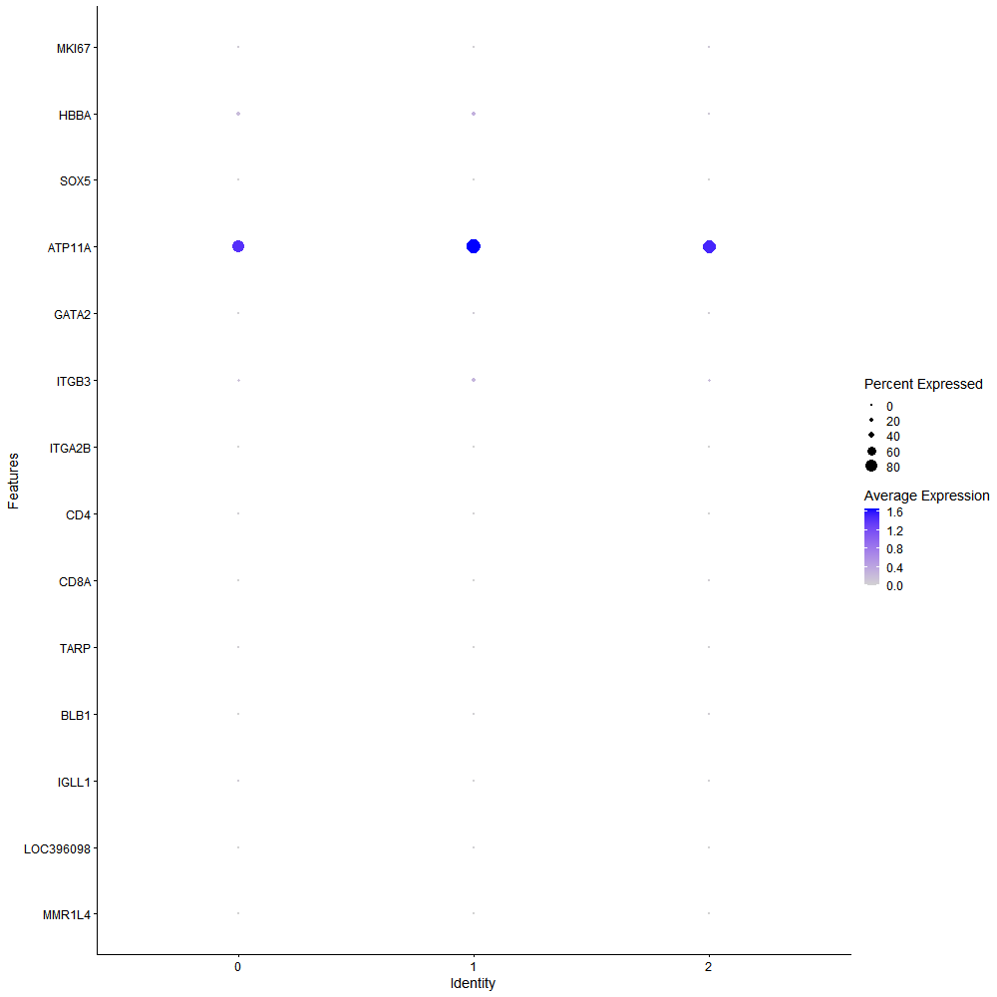
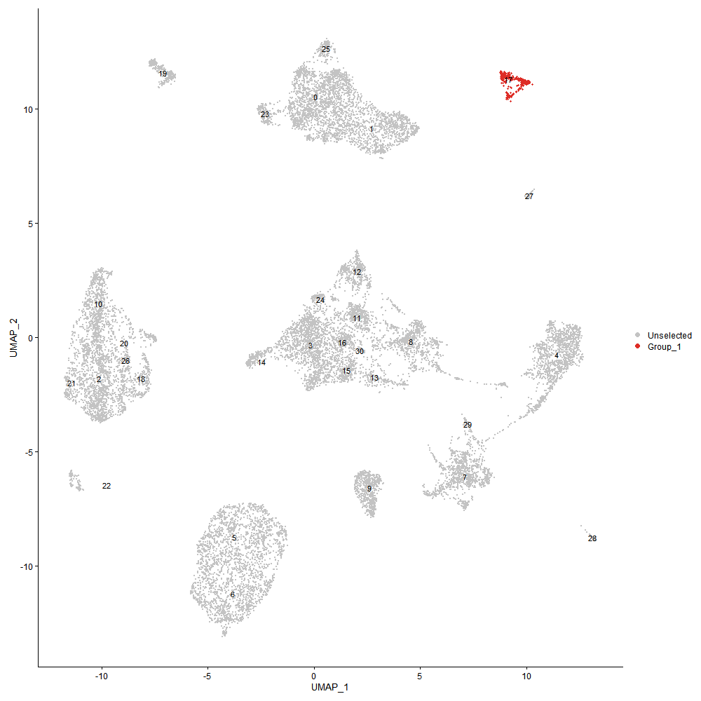
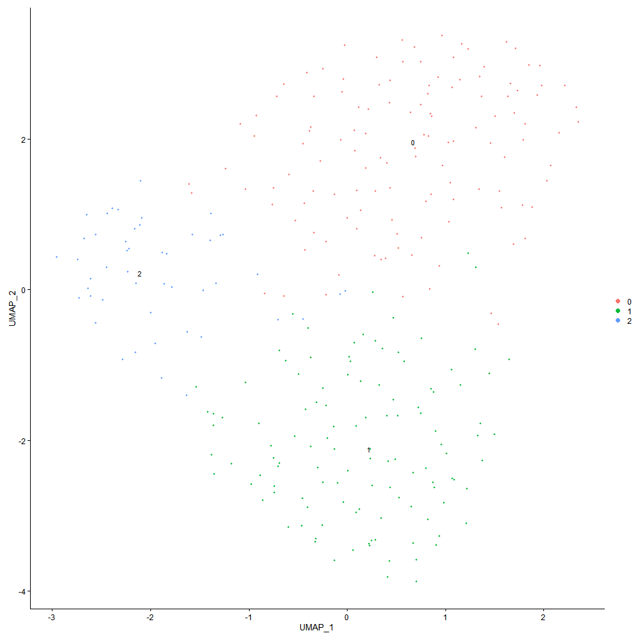

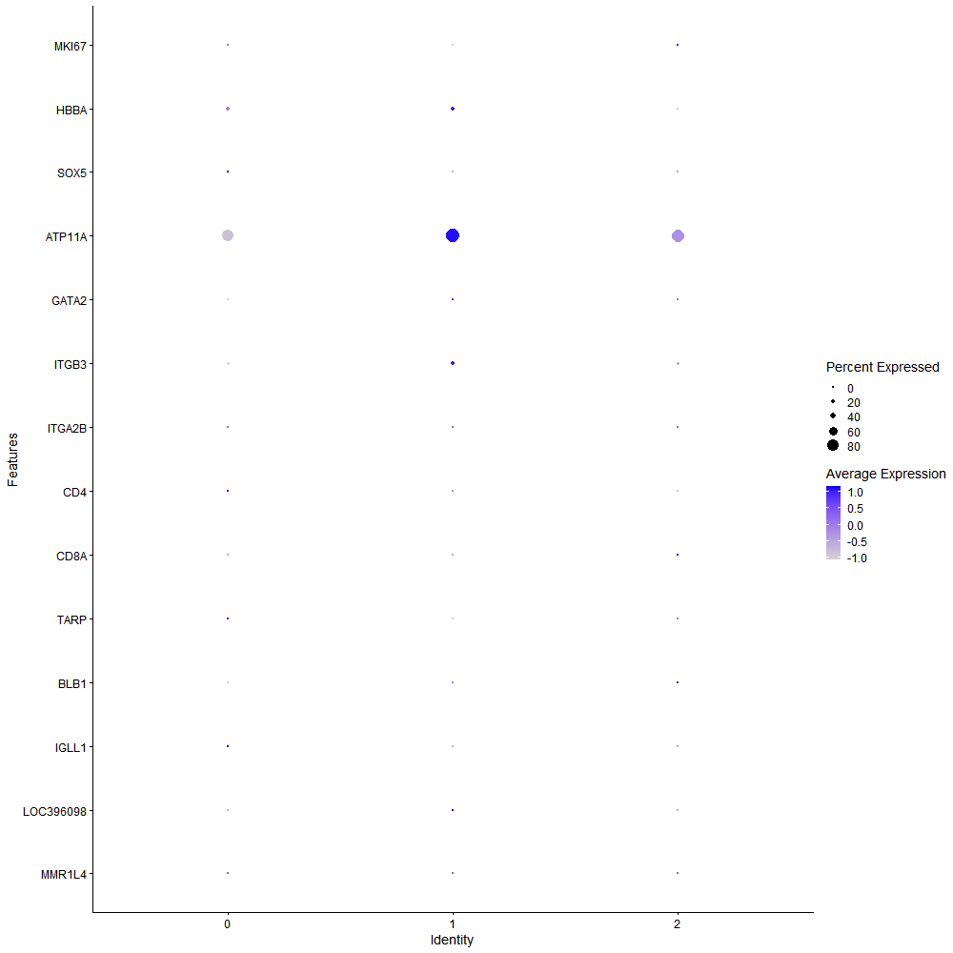
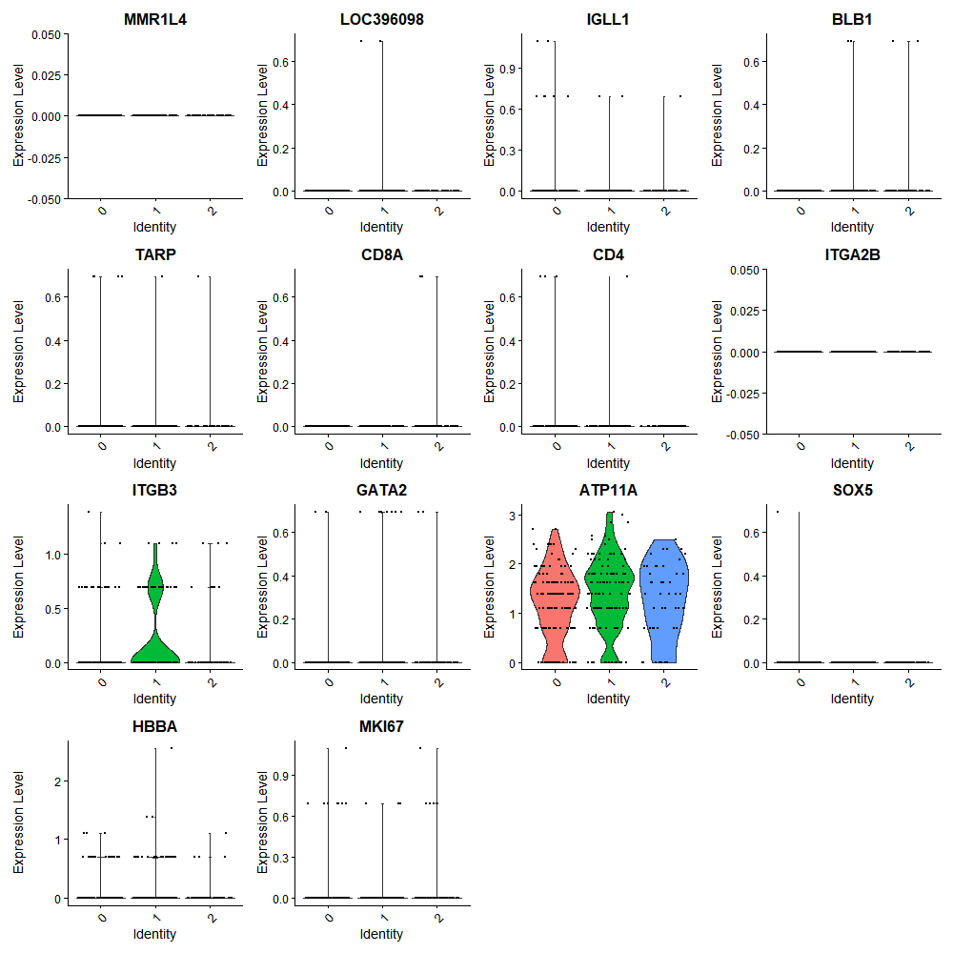

Cluster0
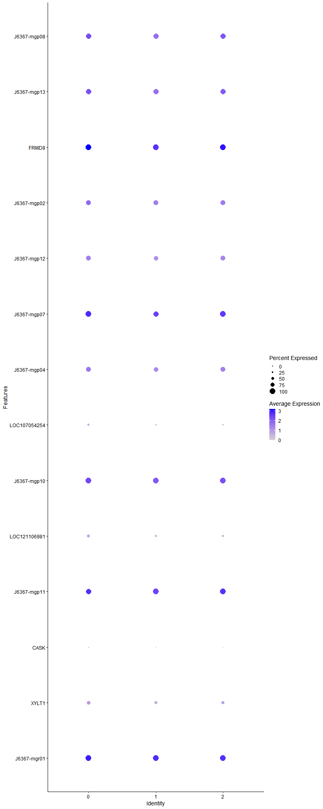
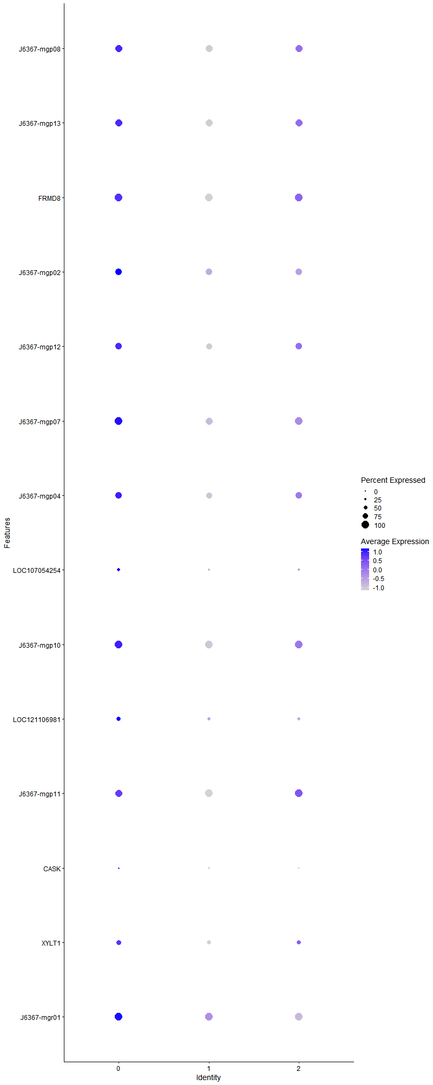
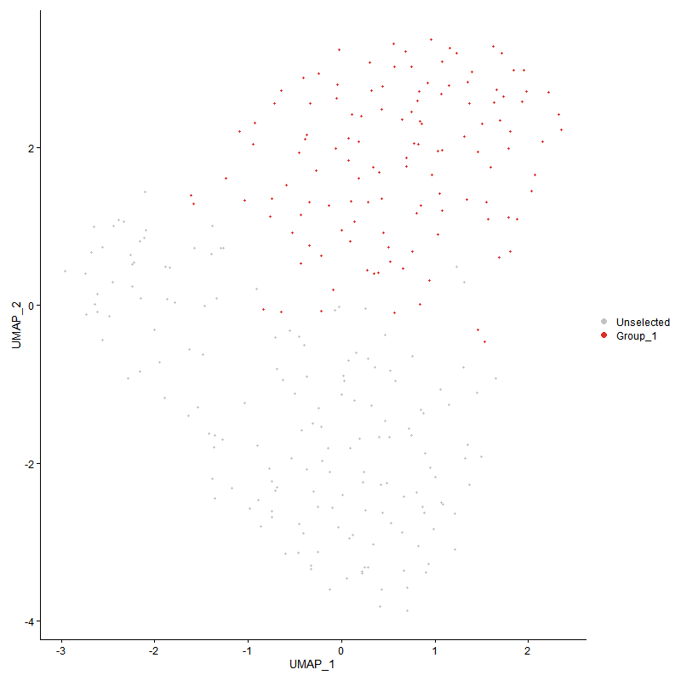
 | p_val | avg_log2FC | pct.1 | pct.2 | p_val_adj | cluster | gene | description
J6367-mgp08 | 6.4069305958E-07 | 0.6195521992 | 0.984 | 0.945 | 0.0097840237129 | 0 | J6367-mgp08 | J6367-mgp08 - ATP6 - ATP synthase F0 subunit 6 -
J6367-mgp13 | 3.6730364536E-07 | 0.57145302659 | 0.976 | 0.976 | 0.0056090939683 | 0 | J6367-mgp13 | J6367-mgp13 - ND1 - NADH dehydrogenase subunit 1 -
FRMD8 | 7.8097141228E-08 | 0.51802873147 | 1 | 1 | 0.0011926214437 | 0 | FRMD8 | FRMD8 - FRMD8 - FERM domain containing 8 - Involved in positive regulation of tumor necrosis factor production. Located in several cellular components, including centriolar satellite; cytosol; and nucleoplasm. [provided by Alliance of Genome Resources, Apr 2022]
J6367-mgp02 | 0.00064371344956 | 0.49905129553 | 0.921 | 0.861 | 1 | 0 | J6367-mgp02 | J6367-mgp02 - CYTB - cytochrome b -
J6367-mgp12 | 0.00074424866394 | 0.41311005071 | 0.881 | 0.806 | 1 | 0 | J6367-mgp12 | J6367-mgp12 - ND2 - NADH dehydrogenase subunit 2 -
J6367-mgp07 | 0.00062938186643 | 0.40747299615 | 1 | 0.988 | 1 | 0 | J6367-mgp07 | J6367-mgp07 - COX3 - cytochrome c oxidase subunit III -
J6367-mgp04 | 0.0052762958835 | 0.40284809027 | 0.857 | 0.855 | 1 | 0 | J6367-mgp04 | J6367-mgp04 - ND4 - NADH dehydrogenase subunit 4 -
LOC107054254 | 0.00083684925197 | 0.36967696588 | 0.429 | 0.255 | 1 | 0 | LOC107054254 | LOC107054254 - LOC107054254 - uncharacterized LOC107054254 -
J6367-mgp10 | 0.00098698658254 | 0.35749003049 | 1 | 1 | 1 | 0 | J6367-mgp10 | J6367-mgp10 - COX2 - cytochrome c oxidase subunit II -
LOC121106981 | 0.0045403562283 | 0.34935858927 | 0.54 | 0.43 | 1 | 0 | LOC121106981 | LOC121106981
J6367-mgp11 | 0.005390112156 | 0.32478638147 | 0.992 | 1 | 1 | 0 | J6367-mgp11 | J6367-mgp11 - COX1 - cytochrome c oxidase subunit I -
CASK | 0.0014200768985 | 0.32113822624 | 0.167 | 0.055 | 1 | 0 | CASK | CASK - CASK - calcium/calmodulin dependent serine protein kinase - This gene encodes a calcium/calmodulin-dependent serine protein kinase. The encoded protein is a MAGUK (membrane-associated guanylate kinase) protein family member. These proteins are scaffold proteins and the encoded protein is located at synapses in the brain. Mutations in this gene are associated with FG syndrome 4, intellectual disability and microcephaly with pontine and cerebellar hypoplasia, and a form of X-linked intellectual disability. Multiple transcript variants encoding different isoforms have been found for this gene. [provided by RefSeq, Jul 2017]
XYLT1 | 0.0098623945004 | 0.31699849588 | 0.627 | 0.539 | 1 | 0 | XYLT1 | XYLT1 - XYLT1 - xylosyltransferase 1 - This locus encodes a xylosyltransferase enzyme. The encoded protein catalyzes transfer of UDP-xylose to serine residues of an acceptor protein substrate. This transfer reaction is necessary for biosynthesis of glycosaminoglycan chains. Mutations in this gene have been associated with increased severity of pseudoxanthoma elasticum.[provided by RefSeq, Nov 2009]
J6367-mgr01 | 0.0062074735001 | 0.26675391075 | 1 | 1 | 1 | 0 | J6367-mgr01 | J6367-mgr01 - J6367_mgr01 - 16S ribosomal RNA -

Cluster1
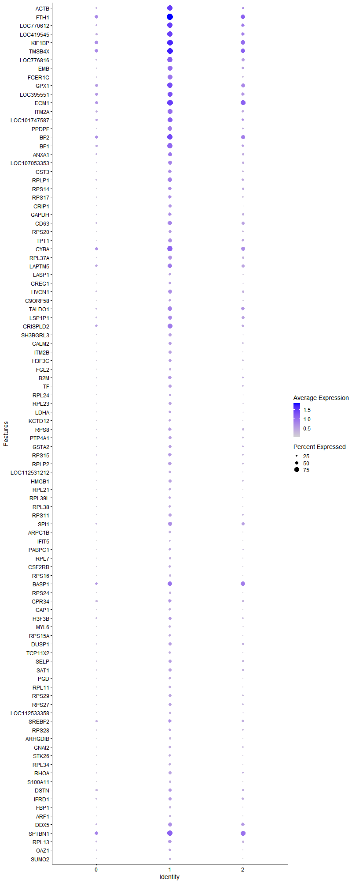
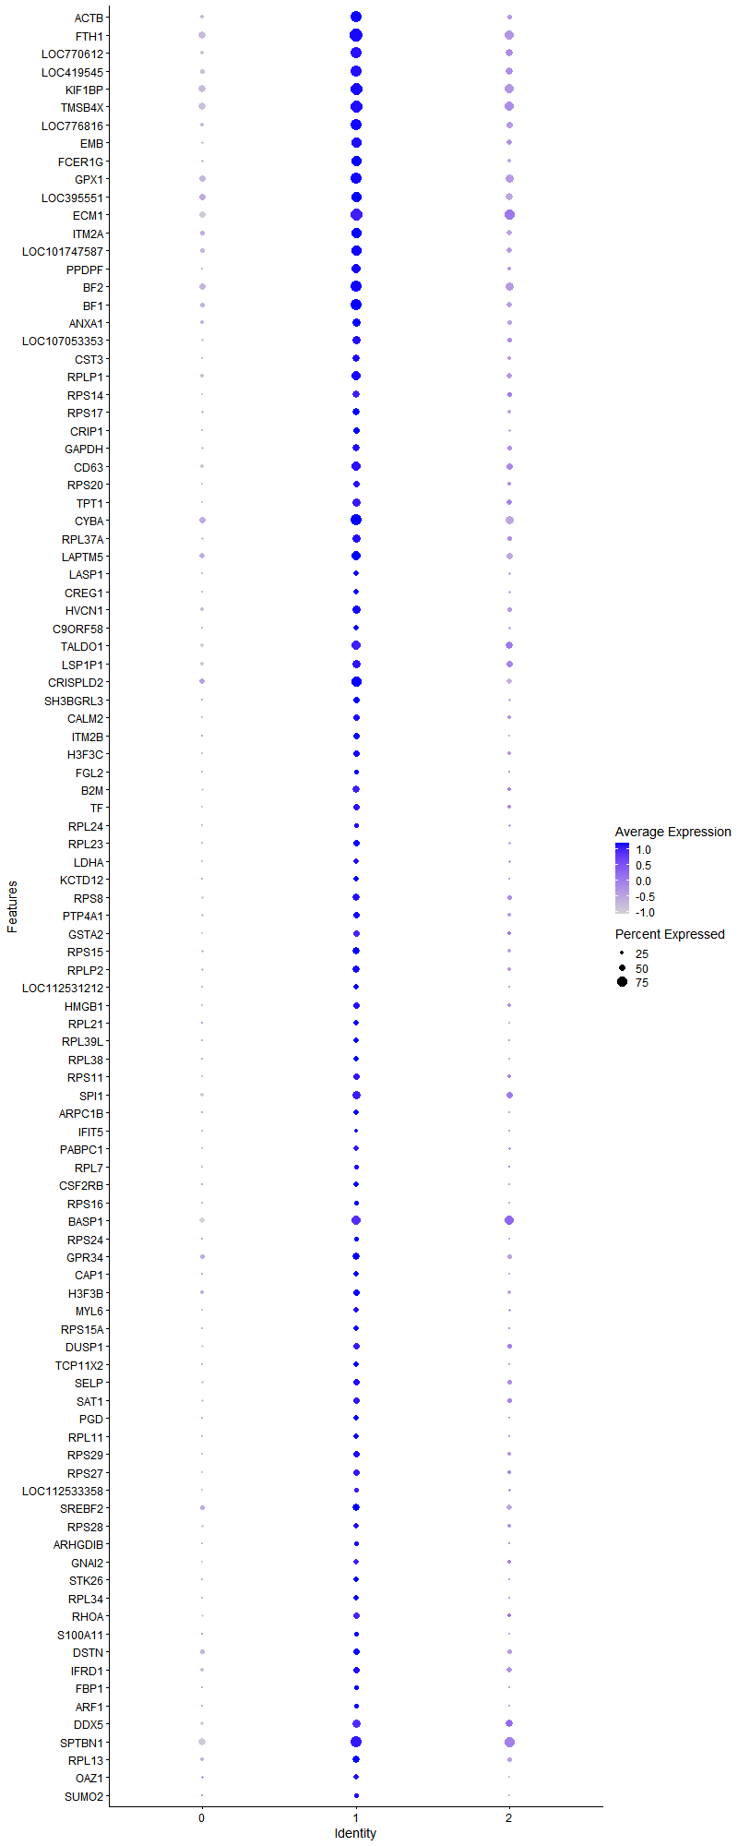
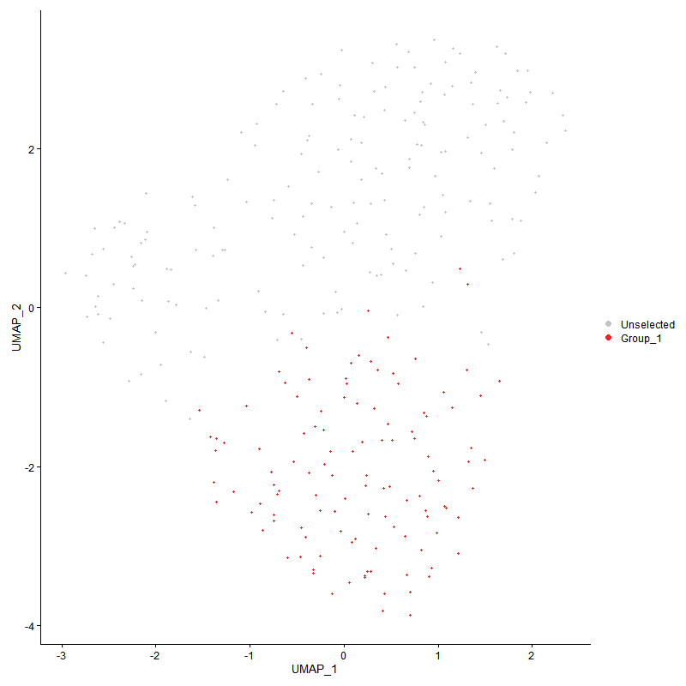
 | p_val | avg_log2FC | pct.1 | pct.2 | p_val_adj | cluster | gene | description
ACTB | 8.4436392498E-27 | 1.4696788687 | 0.863 | 0.293 | 1.2894281498E-22 | 1 | ACTB | ACTB - ACTB - actin beta - This gene encodes one of six different actin proteins. Actins are highly conserved proteins that are involved in cell motility, structure, integrity, and intercellular signaling. The encoded protein is a major constituent of the contractile apparatus and one of the two nonmuscle cytoskeletal actins that are ubiquitously expressed. Mutations in this gene cause Baraitser-Winter syndrome 1, which is characterized by intellectual disability with a distinctive facial appearance in human patients. Numerous pseudogenes of this gene have been identified throughout the human genome. [provided by RefSeq, Aug 2017]
FTH1 | 1.5226798192E-29 | 1.3681082629 | 0.974 | 0.603 | 2.3252843518E-25 | 1 | FTH1 | FTH1 - FTH1 - ferritin heavy chain 1 - This gene encodes the heavy subunit of ferritin, the major intracellular iron storage protein in prokaryotes and eukaryotes. It is composed of 24 subunits of the heavy and light ferritin chains. Variation in ferritin subunit composition may affect the rates of iron uptake and release in different tissues. A major function of ferritin is the storage of iron in a soluble and nontoxic state. Defects in ferritin proteins are associated with several neurodegenerative diseases. This gene has multiple pseudogenes. Several alternatively spliced transcript variants have been observed, but their biological validity has not been determined. [provided by RefSeq, Jul 2008]
LOC770612 | 8.9553960611E-24 | 1.3010328706 | 0.872 | 0.356 | 1.3675785325E-19 | 1 | LOC770612 | LOC770612 - LOC770612 - interferon-induced transmembrane protein 1-like -
LOC419545 | 7.0618705248E-23 | 1.2931554099 | 0.855 | 0.374 | 1.0784182478E-18 | 1 | LOC419545 | LOC419545 - LOC419545 - uncharacterized LOC419545 -
KIF1BP | 1.1047331165E-22 | 1.2012626544 | 0.94 | 0.626 | 1.6870379423E-18 | 1 | KIF1BP | KIF1BP - KIFBP - kinesin family binding protein - This gene encodes a kinesin family member 1 binding protein that is characterized by two tetratrico peptide repeats. The encoded protein localizes to the mitochondria and may be involved in regulating transport of the mitochondria. Mutations in this gene are associated with Goldberg-Shprintzen megacolon syndrome. [provided by RefSeq, Mar 2010]
TMSB4X | 2.7560995629E-20 | 1.169993018 | 0.923 | 0.598 | 4.2088396425E-16 | 1 | TMSB4X | TMSB4X - TMSB4X - thymosin beta 4 X-linked - This gene encodes an actin sequestering protein which plays a role in regulation of actin polymerization. The protein is also involved in cell proliferation, migration, and differentiation. This gene escapes X inactivation and has a homolog on chromosome Y. [provided by RefSeq, Jul 2008]
LOC776816 | 6.4909583963E-24 | 1.1271676279 | 0.838 | 0.293 | 9.9123425669E-20 | 1 | LOC776816 | LOC776816
EMB | 8.7951661338E-24 | 1.0809199954 | 0.803 | 0.247 | 1.3431098203E-19 | 1 | EMB | EMB - XPO1 - exportin 1 - This cell-cycle-regulated gene encodes a protein that mediates leucine-rich nuclear export signal (NES)-dependent protein transport. The protein specifically inhibits the nuclear export of Rev and U snRNAs. It is involved in the control of several cellular processes by controlling the localization of cyclin B, MPAK, and MAPKAP kinase 2. This protein also regulates NFAT and AP-1. [provided by RefSeq, Jan 2015]
FCER1G | 2.3247660321E-23 | 1.0438844952 | 0.761 | 0.23 | 3.5501502077E-19 | 1 | FCER1G | FCER1G - FCER1G - Fc epsilon receptor Ig - The high affinity IgE receptor is a key molecule involved in allergic reactions. It is a tetramer composed of 1 alpha, 1 beta, and 2 gamma chains. The gamma chains are also subunits of other Fc receptors. [provided by RefSeq, Jul 2008]
GPX1 | 2.7638381046E-19 | 1.0425617981 | 0.872 | 0.5 | 4.2206571696E-15 | 1 | GPX1 | GPX1 - GPX1 - glutathione peroxidase 1 - The protein encoded by this gene belongs to the glutathione peroxidase family, members of which catalyze the reduction of organic hydroperoxides and hydrogen peroxide (H2O2) by glutathione, and thereby protect cells against oxidative damage. Other studies indicate that H2O2 is also essential for growth-factor mediated signal transduction, mitochondrial function, and maintenance of thiol redox-balance; therefore, by limiting H2O2 accumulation, glutathione peroxidases are also involved in modulating these processes. Several isozymes of this gene family exist in vertebrates, which vary in cellular location and substrate specificity. This isozyme is the most abundant, is ubiquitously expressed and localized in the cytoplasm, and whose preferred substrate is hydrogen peroxide. It is also a selenoprotein, containing the rare amino acid selenocysteine (Sec) at its active site. Sec is encoded by the UGA codon, which normally signals translation termination. The 3' UTRs of selenoprotein mRNAs contain a conserved stem-loop structure, designated the Sec insertion sequence (SECIS) element, that is necessary for the recognition of UGA as a Sec codon, rather than as a stop signal. This gene contains an in-frame GCG trinucleotide repeat in the coding region, and three alleles with 4, 5 or 6 repeats have been found in the human population. The allele with 4 GCG repeats has been significantly associated with breast cancer risk in premenopausal women. Alternatively spliced transcript variants have been found for this gene. Pseudogenes of this locus have been identified on chromosomes X and 21. [provided by RefSeq, Aug 2017]
LOC395551 | 1.3712124153E-13 | 1.0100536647 | 0.795 | 0.506 | 2.0939784794E-09 | 1 | LOC395551 | LOC395551 - LOC395551 - chemokine (C-C motif) ligand 4 -
ECM1 | 1.9241918231E-16 | 0.95166529295 | 0.915 | 0.552 | 2.938433333E-12 | 1 | ECM1 | ECM1 - ECM1 - extracellular matrix protein 1 - This gene encodes a soluble protein that is involved in endochondral bone formation, angiogenesis, and tumor biology. It also interacts with a variety of extracellular and structural proteins, contributing to the maintenance of skin integrity and homeostasis. Mutations in this gene are associated with lipoid proteinosis disorder (also known as hyalinosis cutis et mucosae or Urbach-Wiethe disease) that is characterized by generalized thickening of skin, mucosae and certain viscera. Alternatively spliced transcript variants encoding distinct isoforms have been described for this gene. [provided by RefSeq, Feb 2011]
ITM2A | 1.7881859603E-17 | 0.92889800081 | 0.769 | 0.339 | 2.73073878E-13 | 1 | ITM2A | ITM2A - ITM2A - integral membrane protein 2A - This gene encodes a type II membrane protein that belongs to the ITM2 family. Studies in mouse suggest that it may be involved in osteo- and chondrogenic differentiation. Alternatively spliced transcript variants encoding different isoforms have been found for this gene. [provided by RefSeq, Jan 2010]
LOC101747587 | 5.3272677605E-16 | 0.92288867252 | 0.821 | 0.385 | 8.135270597E-12 | 1 | LOC101747587 | LOC101747587 - LOC101747587 - polyubiquitin-C-like -
PPDPF | 3.4711204829E-19 | 0.91534037457 | 0.675 | 0.178 | 5.3007480894E-15 | 1 | PPDPF | PPDPF - PPDPF - pancreatic progenitor cell differentiation and proliferation factor - Predicted to be involved in cell differentiation. [provided by Alliance of Genome Resources, Apr 2022]
BF2 | 1.4318787147E-15 | 0.90002991059 | 0.897 | 0.511 | 2.1866219852E-11 | 1 | BF2 | BF2 - FOXG1 - forkhead box G1 - This locus encodes a member of the fork-head transcription factor family. The encoded protein, which functions as a transcriptional repressor, is highly expressed in neural tissues during brain development. Mutations at this locus have been associated with Rett syndrome and a diverse spectrum of neurodevelopmental disorders defined as part of the FOXG1 syndrome. This gene is disregulated in many types of cancer and is the target of multiple microRNAs that regulate the proliferation of tumor cells. [provided by RefSeq, Jul 2020]
BF1 | 5.7031072542E-17 | 0.88936356788 | 0.829 | 0.362 | 8.7092150879E-13 | 1 | BF1 | BF1 - FOXG1 - forkhead box G1 - This locus encodes a member of the fork-head transcription factor family. The encoded protein, which functions as a transcriptional repressor, is highly expressed in neural tissues during brain development. Mutations at this locus have been associated with Rett syndrome and a diverse spectrum of neurodevelopmental disorders defined as part of the FOXG1 syndrome. This gene is disregulated in many types of cancer and is the target of multiple microRNAs that regulate the proliferation of tumor cells. [provided by RefSeq, Jul 2020]
ANXA1 | 2.1003794809E-11 | 0.84225063402 | 0.641 | 0.287 | 3.2074895052E-07 | 1 | ANXA1 | ANXA1 - ANXA1 - annexin A1 - This gene encodes a membrane-localized protein that binds phospholipids. This protein inhibits phospholipase A2 and has anti-inflammatory activity. Loss of function or expression of this gene has been detected in multiple tumors. [provided by RefSeq, Dec 2014]
LOC107053353 | 3.1316182685E-15 | 0.80319170441 | 0.65 | 0.201 | 4.7822942578E-11 | 1 | LOC107053353 | LOC107053353 - LOC107053353 - dispanin subfamily A member 2b-like -
CST3 | 5.2731472331E-16 | 0.78502839435 | 0.59 | 0.149 | 8.0526231397E-12 | 1 | CST3 | CST3 - CST3 - cystatin C - The cystatin superfamily encompasses proteins that contain multiple cystatin-like sequences. Some of the members are active cysteine protease inhibitors, while others have lost or perhaps never acquired this inhibitory activity. There are three inhibitory families in the superfamily, including the type 1 cystatins (stefins), type 2 cystatins and the kininogens. The type 2 cystatin proteins are a class of cysteine proteinase inhibitors found in a variety of human fluids and secretions, where they appear to provide protective functions. The cystatin locus on chromosome 20 contains the majority of the type 2 cystatin genes and pseudogenes. This gene is located in the cystatin locus and encodes the most abundant extracellular inhibitor of cysteine proteases, which is found in high concentrations in biological fluids and is expressed in virtually all organs of the body. A mutation in this gene has been associated with amyloid angiopathy. Expression of this protein in vascular wall smooth muscle cells is severely reduced in both atherosclerotic and aneurysmal aortic lesions, establishing its role in vascular disease. In addition, this protein has been shown to have an antimicrobial function, inhibiting the replication of herpes simplex virus. Alternative splicing results in multiple transcript variants encoding a single protein. [provided by RefSeq, Nov 2014]
RPLP1 | 1.1575531062E-14 | 0.78186761033 | 0.692 | 0.282 | 1.7676993485E-10 | 1 | RPLP1 | RPLP1 - RPLP1 - ribosomal protein lateral stalk subunit P1 - Ribosomes, the organelles that catalyze protein synthesis, consist of a small 40S subunit and a large 60S subunit. Together these subunits are composed of 4 RNA species and approximately 80 structurally distinct proteins. This gene encodes a ribosomal phosphoprotein that is a component of the 60S subunit. The protein, which is a functional equivalent of the E. coli L7/L12 ribosomal protein, belongs to the L12P family of ribosomal proteins. It plays an important role in the elongation step of protein synthesis. Unlike most ribosomal proteins, which are basic, the encoded protein is acidic. Its C-terminal end is nearly identical to the C-terminal ends of the ribosomal phosphoproteins P0 and P2. The P1 protein can interact with P0 and P2 to form a pentameric complex consisting of P1 and P2 dimers, and a P0 monomer. The protein is located in the cytoplasm. Two alternatively spliced transcript variants that encode different proteins have been observed. As is typical for genes encoding ribosomal proteins, there are multiple processed pseudogenes of this gene dispersed through the genome. [provided by RefSeq, Jul 2008]
RPS14 | 2.1341338257E-14 | 0.77810898041 | 0.556 | 0.149 | 3.2590357652E-10 | 1 | RPS14 | RPS14 - RPS14 - ribosomal protein S14 - Ribosomes, the organelles that catalyze protein synthesis, consist of a small 40S subunit and a large 60S subunit. Together these subunits are composed of 4 RNA species and approximately 80 structurally distinct proteins. This gene encodes a ribosomal protein that is a component of the 40S subunit. The protein belongs to the S11P family of ribosomal proteins. It is located in the cytoplasm. Transcript variants utilizing alternative transcription initiation sites have been described in the literature. As is typical for genes encoding ribosomal proteins, there are multiple processed pseudogenes of this gene dispersed through the genome. In Chinese hamster ovary cells, mutations in this gene can lead to resistance to emetine, a protein synthesis inhibitor. Multiple alternatively spliced transcript variants encoding the same protein have been found for this gene. [provided by RefSeq, Jul 2008]
RPS17 | 1.0069910898E-14 | 0.77719649587 | 0.59 | 0.178 | 1.5377760932E-10 | 1 | RPS17 | RPS17 - RPS17 - ribosomal protein S17 - Ribosomes, the organelles that catalyze protein synthesis, consist of a small 40S subunit and a large 60S subunit. Together these subunits are composed of four RNA species and approximately 80 structurally distinct proteins. This gene encodes a ribosomal protein that is a component of the 40S subunit. The protein belongs to the S17E family of ribosomal proteins and is located in the cytoplasm. Mutations in this gene cause Diamond-Blackfan anemia 4. Alternative splicing of this gene results in multiple transcript variants. As is typical for genes encoding ribosomal proteins, there are multiple processed pseudogenes of this gene dispersed through the genome. [provided by RefSeq, Apr 2014]
CRIP1 | 4.3163173074E-12 | 0.70942964448 | 0.496 | 0.138 | 6.5914481601E-08 | 1 | CRIP1 | CRIP1 - CRIP1 - cysteine rich protein 1 - Cysteine-rich intestinal protein (CRIP) belongs to the LIM/double zinc finger protein family, members of which include cysteine- and glycine-rich protein-1 (CSRP1; MIM 123876), rhombotin-1 (RBTN1; MIM 186921), rhombotin-2 (RBTN2; MIM 180385), and rhombotin-3 (RBTN3; MIM 180386). CRIP may be involved in intestinal zinc transport (Hempe and Cousins, 1991 [PubMed 1946385]).[supplied by OMIM, Mar 2008]
GAPDH | 7.8945392873E-11 | 0.6589196252 | 0.59 | 0.23 | 1.2055750946E-06 | 1 | GAPDH | GAPDH - GAPDH - glyceraldehyde-3-phosphate dehydrogenase - This gene encodes a member of the glyceraldehyde-3-phosphate dehydrogenase protein family. The encoded protein has been identified as a moonlighting protein based on its ability to perform mechanistically distinct functions. The product of this gene catalyzes an important energy-yielding step in carbohydrate metabolism, the reversible oxidative phosphorylation of glyceraldehyde-3-phosphate in the presence of inorganic phosphate and nicotinamide adenine dinucleotide (NAD). The encoded protein has additionally been identified to have uracil DNA glycosylase activity in the nucleus. Also, this protein contains a peptide that has antimicrobial activity against E. coli, P. aeruginosa, and C. albicans. Studies of a similar protein in mouse have assigned a variety of additional functions including nitrosylation of nuclear proteins, the regulation of mRNA stability, and acting as a transferrin receptor on the cell surface of macrophage. Many pseudogenes similar to this locus are present in the human genome. Alternative splicing results in multiple transcript variants. [provided by RefSeq, Nov 2014]
CD63 | 5.7310236089E-13 | 0.64129152635 | 0.718 | 0.316 | 8.7518461531E-09 | 1 | CD63 | CD63 - CD63 - CD63 molecule - The protein encoded by this gene is a member of the transmembrane 4 superfamily, also known as the tetraspanin family. Most of these members are cell-surface proteins that are characterized by the presence of four hydrophobic domains. The proteins mediate signal transduction events that play a role in the regulation of cell development, activation, growth and motility. The encoded protein is a cell surface glycoprotein that is known to complex with integrins. It may function as a blood platelet activation marker. Deficiency of this protein is associated with Hermansky-Pudlak syndrome. Also this gene has been associated with tumor progression. Alternative splicing results in multiple transcript variants encoding different protein isoforms. [provided by RefSeq, Apr 2012]
RPS20 | 1.0530447652E-13 | 0.62972268337 | 0.504 | 0.109 | 1.6081046609E-09 | 1 | RPS20 | RPS20 - RPS20 - ribosomal protein S20 - Ribosomes, the organelles that catalyze protein synthesis, consist of a small 40S subunit and a large 60S subunit. Together these subunits are composed of 4 RNA species and approximately 80 structurally distinct proteins. This gene encodes a ribosomal protein that is a component of the 40S subunit. The protein belongs to the S10P family of ribosomal proteins. It is located in the cytoplasm. This gene is co-transcribed with the small nucleolar RNA gene U54, which is located in its second intron. As is typical for genes encoding ribosomal proteins, there are multiple processed pseudogenes of this gene dispersed through the genome. Two transcript variants encoding different isoforms have been identified for this gene. [provided by RefSeq, Apr 2009]
TPT1 | 7.8809354267E-16 | 0.62891676042 | 0.667 | 0.201 | 1.203497649E-11 | 1 | TPT1 | TPT1 - TPT1 - tumor protein, translationally-controlled 1 - This gene encodes a protein that is a regulator of cellular growth and proliferation. Its mRNA is highly structured and contains an oligopyrimidine tract (5'-TOP) in its 5' untranslated region that functions to repress its translation under quiescent conditions. The encoded protein is involved in a variety of cellular pathways, including apoptosis, protein synthesis and cell division. It binds to and stabilizes microtubules, and removal of this protein through phosphorylation is required for progression through mitotic and meiotic cell divisions. This gene is known to play a role in carcinogenesis, and is upregulated in some cancer cells. Alternative splicing results in multiple transcript variants encoding different isoforms. [provided by RefSeq, Aug 2017]
CYBA | 1.1518294333E-10 | 0.62176632589 | 0.846 | 0.552 | 1.7589587276E-06 | 1 | CYBA | CYBA - CYBA - cytochrome b-245 alpha chain - Cytochrome b is comprised of a light chain (alpha) and a heavy chain (beta). This gene encodes the light, alpha subunit which has been proposed as a primary component of the microbicidal oxidase system of phagocytes. Mutations in this gene are associated with autosomal recessive chronic granulomatous disease (CGD), that is characterized by the failure of activated phagocytes to generate superoxide, which is important for the microbicidal activity of these cells. [provided by RefSeq, Jul 2008]
RPL37A | 8.8599009262E-15 | 0.61174937355 | 0.65 | 0.201 | 1.3529954704E-10 | 1 | RPL37A | RPL37A - RPL37A - ribosomal protein L37a - Ribosomes, the organelles that catalyze protein synthesis, consist of a small 40S subunit and a large 60S subunit. Together these subunits are composed of 4 RNA species and approximately 80 structurally distinct proteins. This gene encodes a ribosomal protein that is a component of the 60S subunit. The protein belongs to the L37AE family of ribosomal proteins. It is located in the cytoplasm. The protein contains a C4-type zinc finger-like domain. As is typical for genes encoding ribosomal proteins, there are multiple processed pseudogenes of this gene dispersed through the genome. [provided by RefSeq, Jul 2008]
LAPTM5 | 2.9735311108E-09 | 0.6031670961 | 0.718 | 0.431 | 4.5408793592E-05 | 1 | LAPTM5 | LAPTM5 - LAPTM5 - lysosomal protein transmembrane 5 - This gene encodes a transmembrane receptor that is associated with lysosomes. The encoded protein, also known as E3 protein, may play a role in hematopoiesis. [provided by RefSeq, Feb 2009]
LASP1 | 1.0136212029E-13 | 0.59566238938 | 0.41 | 0.057 | 1.5479009389E-09 | 1 | LASP1 | LASP1 - LASP1 - LIM and SH3 protein 1 - This gene encodes a member of a subfamily of LIM proteins, characterized by a LIM motif and a domain of Src homology region 3, and also a member of the nebulin family of actin-binding proteins. The encoded protein is a cAMP and cGMP dependent signaling protein and binds to the actin cytoskeleton at extensions of the cell membrane. The encoded protein has been linked to metastatic breast cancer, hematopoetic tumors such as B-cell lymphomas, and colorectal cancer. [provided by RefSeq, Oct 2012]
CREG1 | 1.6157016502E-10 | 0.59438314658 | 0.427 | 0.109 | 2.4673379899E-06 | 1 | CREG1 | CREG1 - CREG1 - cellular repressor of E1A stimulated genes 1 - The adenovirus E1A protein both activates and represses gene expression to promote cellular proliferation and inhibit differentiation. The protein encoded by this gene antagonizes transcriptional activation and cellular transformation by E1A. This protein shares limited sequence similarity with E1A and binds both the general transcription factor TBP and the tumor suppressor pRb in vitro. This gene may contribute to the transcriptional control of cell growth and differentiation. [provided by RefSeq, Jul 2008]
HVCN1 | 9.1739027399E-11 | 0.58490957818 | 0.632 | 0.264 | 1.4009466874E-06 | 1 | HVCN1 | HVCN1 - HVCN1 - hydrogen voltage gated channel 1 - This gene encodes a voltage-gated protein channel protein expressed more highly in certain cells of the immune system. Phagocytic cells produce superoxide anions which require this channel protein, and in B cells this same process facilitates antibody production. This same channel protein, however, can also regulate functions in other cells including spermatozoa. Multiple transcript variants encoding different isoforms have been found for this gene. [provided by RefSeq, Jan 2012]
C9ORF58 | 2.734864971E-11 | 0.58003458118 | 0.436 | 0.109 | 4.1764122973E-07 | 1 | C9ORF58 | C9ORF58 - AIF1L - allograft inflammatory factor 1 like - Enables actin filament binding activity. Predicted to be involved in actin filament bundle assembly and ruffle assembly. Located in actin cytoskeleton and focal adhesion. Colocalizes with actin filament. Biomarker of breast cancer. [provided by Alliance of Genome Resources, Apr 2022]
TALDO1 | 3.0497339091E-10 | 0.57801266232 | 0.709 | 0.356 | 4.6572486527E-06 | 1 | TALDO1 | TALDO1 - TALDO1 - transaldolase 1 - Transaldolase 1 is a key enzyme of the nonoxidative pentose phosphate pathway providing ribose-5-phosphate for nucleic acid synthesis and NADPH for lipid biosynthesis. This pathway can also maintain glutathione at a reduced state and thus protect sulfhydryl groups and cellular integrity from oxygen radicals. The functional gene of transaldolase 1 is located on chromosome 11 and a pseudogene is identified on chromosome 1 but there are conflicting map locations. The second and third exon of this gene were developed by insertion of a retrotransposable element. This gene is thought to be involved in multiple sclerosis. [provided by RefSeq, Jul 2008]
LSP1P1 | 1.1660053306E-08 | 0.57257877627 | 0.607 | 0.316 | 0.00017806067404 | 1 | LSP1P1 | LSP1P1 - LSP1P1 - LSP1 pseudogene 1 -
CRISPLD2 | 4.1524680952E-12 | 0.57257877627 | 0.803 | 0.391 | 6.3412340282E-08 | 1 | CRISPLD2 | CRISPLD2 - CRISPLD2 - cysteine rich secretory protein LCCL domain containing 2 - Predicted to enable glycosaminoglycan binding activity. Involved in face morphogenesis. Located in transport vesicle. [provided by Alliance of Genome Resources, Apr 2022]
SH3BGRL3 | 9.3406890374E-12 | 0.56541898469 | 0.504 | 0.138 | 1.4264166229E-07 | 1 | SH3BGRL3 | SH3BGRL3 - SH3BGRL3 - SH3 domain binding glutamate rich protein like 3 - Located in nuclear body. [provided by Alliance of Genome Resources, Apr 2022]
CALM2 | 1.1604373216E-10 | 0.55883871964 | 0.504 | 0.161 | 1.7721038339E-06 | 1 | CALM2 | CALM2 - CALM2 - calmodulin 2 - This gene is a member of the calmodulin gene family. There are three distinct calmodulin genes dispersed throughout the genome that encode the identical protein, but differ at the nucleotide level. Calmodulin is a calcium binding protein that plays a role in signaling pathways, cell cycle progression and proliferation. Several infants with severe forms of long-QT syndrome (LQTS) who displayed life-threatening ventricular arrhythmias together with delayed neurodevelopment and epilepsy were found to have mutations in either this gene or another member of the calmodulin gene family (PMID:23388215). Mutations in this gene have also been identified in patients with less severe forms of LQTS (PMID:24917665), while mutations in another calmodulin gene family member have been associated with catecholaminergic polymorphic ventricular tachycardia (CPVT)(PMID:23040497), a rare disorder thought to be the cause of a significant fraction of sudden cardiac deaths in young individuals. Pseudogenes of this gene are found on chromosomes 10, 13, and 17. Alternative splicing results in multiple transcript variants encoding different isoforms. [provided by RefSeq, Mar 2015]
ITM2B | 3.6875766276E-11 | 0.55066399984 | 0.47 | 0.132 | 5.631298268E-07 | 1 | ITM2B | ITM2B - ITM2B - integral membrane protein 2B - Amyloid precursor proteins are processed by beta-secretase and gamma-secretase to produce beta-amyloid peptides which form the characteristic plaques of Alzheimer disease. This gene encodes a transmembrane protein which is processed at the C-terminus by furin or furin-like proteases to produce a small secreted peptide which inhibits the deposition of beta-amyloid. Mutations which result in extension of the C-terminal end of the encoded protein, thereby increasing the size of the secreted peptide, are associated with two neurogenerative diseases, familial British dementia and familial Danish dementia. [provided by RefSeq, Oct 2009]
H3F3C | 4.9377430201E-11 | 0.54415036794 | 0.487 | 0.138 | 7.540427366E-07 | 1 | H3F3C | H3F3C - H3-5 - H3.5 histone - Histones are basic nuclear proteins that are responsible for the nucleosome structure of the chromosomal fiber in eukaryotes. Nucleosomes consist of approximately 146 bp of DNA wrapped around a histone octamer composed of pairs of each of the four core histones (H2A, H2B, H3, and H4). The chromatin fiber is further compacted through the interaction of a linker histone, H1, with the DNA between the nucleosomes to form higher order chromatin structures. This gene contains introns and its mRNA is polyadenylated, unlike most histone genes. The protein encoded by this gene is a replication-independent histone that is a member of the histone H3 family. [provided by RefSeq, Oct 2015]
FGL2 | 1.0234567058E-09 | 0.54104320283 | 0.316 | 0.052 | 1.5629207355E-05 | 1 | FGL2 | FGL2 - FGL2 - fibrinogen like 2 - The protein encoded by this gene is a secreted protein that is similar to the beta- and gamma-chains of fibrinogen. The carboxyl-terminus of the encoded protein consists of the fibrinogen-related domains (FRED). The encoded protein forms a tetrameric complex which is stabilized by interchain disulfide bonds. This protein may play a role in physiologic functions at mucosal sites. [provided by RefSeq, Jul 2008]
B2M | 2.8969282958E-11 | 0.52571217123 | 0.581 | 0.19 | 4.4238992005E-07 | 1 | B2M | B2M - B2M - beta-2-microglobulin - This gene encodes a serum protein found in association with the major histocompatibility complex (MHC) class I heavy chain on the surface of nearly all nucleated cells. The protein has a predominantly beta-pleated sheet structure that can form amyloid fibrils in some pathological conditions. The encoded antimicrobial protein displays antibacterial activity in amniotic fluid. A mutation in this gene has been shown to result in hypercatabolic hypoproteinemia.[provided by RefSeq, Aug 2014]
TF | 8.091505145E-10 | 0.52366917578 | 0.487 | 0.161 | 1.2356537507E-05 | 1 | TF | TF - F3 - coagulation factor III, tissue factor - This gene encodes coagulation factor III which is a cell surface glycoprotein. This factor enables cells to initiate the blood coagulation cascades, and it functions as the high-affinity receptor for the coagulation factor VII. The resulting complex provides a catalytic event that is responsible for initiation of the coagulation protease cascades by specific limited proteolysis. Unlike the other cofactors of these protease cascades, which circulate as nonfunctional precursors, this factor is a potent initiator that is fully functional when expressed on cell surfaces, for example, on monocytes. There are 3 distinct domains of this factor: extracellular, transmembrane, and cytoplasmic. Platelets and monocytes have been shown to express this coagulation factor under procoagulatory and proinflammatory stimuli, and a major role in HIV-associated coagulopathy has been described. Platelet-dependent monocyte expression of coagulation factor III has been described to be associated with Coronavirus Disease 2019 (COVID-19) severity and mortality. This protein is the only one in the coagulation pathway for which a congenital deficiency has not been described. Alternate splicing results in multiple transcript variants.[provided by RefSeq, Aug 2020]
RPL24 | 5.9659321696E-09 | 0.51899773606 | 0.35 | 0.08 | 9.1105750162E-05 | 1 | RPL24 | RPL24 - RPL24 - ribosomal protein L24 - Ribosomes, the organelles that catalyze protein synthesis, consist of a small 40S subunit and a large 60S subunit. Together these subunits are composed of 4 RNA species and approximately 80 structurally distinct proteins. This gene encodes a ribosomal protein that is a component of the 60S subunit. The protein belongs to the L24E family of ribosomal proteins. It is located in the cytoplasm. This gene has been referred to as ribosomal protein L30 because the encoded protein shares amino acid identity with the L30 ribosomal proteins from S. cerevisiae; however, its official name is ribosomal protein L24. As is typical for genes encoding ribosomal proteins, there are multiple processed pseudogenes of this gene dispersed through the genome. [provided by RefSeq, Jul 2008]
RPL23 | 3.1100684482E-10 | 0.5142801357 | 0.479 | 0.149 | 4.7493855273E-06 | 1 | RPL23 | RPL23 - RPL23 - ribosomal protein L23 - Ribosomes, the organelles that catalyze protein synthesis, consist of a small 40S subunit and a large 60S subunit. Together these subunits are composed of 4 RNA species and approximately 80 structurally distinct proteins. This gene encodes a ribosomal protein that is a component of the 60S subunit. The protein belongs to the L14P family of ribosomal proteins. It is located in the cytoplasm. This gene has been referred to as rpL17 because the encoded protein shares amino acid identity with ribosomal protein L17 from Saccharomyces cerevisiae; however, its official symbol is RPL23. As is typical for genes encoding ribosomal proteins, there are multiple processed pseudogenes of this gene dispersed through the genome. [provided by RefSeq, Jul 2008]
LDHA | 1.9690414499E-09 | 0.50715570127 | 0.427 | 0.115 | 3.0069231982E-05 | 1 | LDHA | LDHA - LDHA - lactate dehydrogenase A - The protein encoded by this gene catalyzes the conversion of L-lactate and NAD to pyruvate and NADH in the final step of anaerobic glycolysis. The protein is found predominantly in muscle tissue and belongs to the lactate dehydrogenase family. Mutations in this gene have been linked to exertional myoglobinuria. Multiple transcript variants encoding different isoforms have been found for this gene. The human genome contains several non-transcribed pseudogenes of this gene. [provided by RefSeq, Sep 2008]
KCTD12 | 1.331583863E-09 | 0.50476339204 | 0.41 | 0.109 | 2.0334617173E-05 | 1 | KCTD12 | KCTD12 - KCTD12 - potassium channel tetramerization domain containing 12 - Enables identical protein binding activity. Predicted to be involved in protein homooligomerization. Predicted to act upstream of or within regulation of G protein-coupled receptor signaling pathway. Predicted to be located in cell projection. Predicted to be part of receptor complex. Predicted to be active in postsynaptic membrane and presynaptic membrane. [provided by Alliance of Genome Resources, Apr 2022]
RPS8 | 3.9420173956E-09 | 0.497528071 | 0.538 | 0.218 | 6.0198547648E-05 | 1 | RPS8 | RPS8 - RPS8 - ribosomal protein S8 - Ribosomes, the organelles that catalyze protein synthesis, consist of a small 40S subunit and a large 60S subunit. Together these subunits are composed of 4 RNA species and approximately 80 structurally distinct proteins. This gene encodes a ribosomal protein that is a component of the 40S subunit. The protein belongs to the S8E family of ribosomal proteins. It is located in the cytoplasm. Increased expression of this gene in colorectal tumors and colon polyps compared to matched normal colonic mucosa has been observed. This gene is co-transcribed with the small nucleolar RNA genes U38A, U38B, U39, and U40, which are located in its fourth, fifth, first, and second introns, respectively. As is typical for genes encoding ribosomal proteins, there are multiple processed pseudogenes of this gene dispersed through the genome. [provided by RefSeq, Jul 2008]
PTP4A1 | 1.2223278713E-09 | 0.49533577733 | 0.513 | 0.184 | 1.8666168922E-05 | 1 | PTP4A1 | PTP4A1 - PTP4A1 - protein tyrosine phosphatase 4A1 - This gene encodes a member of a small class of prenylated protein tyrosine phosphatases (PTPs), which contain a PTP domain and a characteristic C-terminal prenylation motif. The encoded protein is a cell signaling molecule that plays regulatory roles in a variety of cellular processes, including cell proliferation and migration. The protein may also be involved in cancer development and metastasis. This tyrosine phosphatase is a nuclear protein, but may associate with plasma membrane by means of its prenylation motif. Pseudogenes related to this gene are located on chromosomes 1, 2, 5, 7, 11 and X. [provided by RefSeq, Jun 2013]
GSTA2 | 1.7143608512E-10 | 0.49495787914 | 0.487 | 0.138 | 2.6180004558E-06 | 1 | GSTA2 | GSTA2 - GSTA2 - glutathione S-transferase alpha 2 - Cytosolic and membrane-bound forms of glutathione S-transferase are encoded by two distinct supergene families. These enzymes function in the detoxification of electrophilic compounds, including carcinogens, therapeutic drugs, environmental toxins and products of oxidative stress, by conjugation with glutathione. The genes encoding these enzymes are known to be highly polymorphic. These genetic variations can change an individual's susceptibility to carcinogens and toxins as well as affect the toxicity and efficacy of some drugs. At present, eight distinct classes of the soluble cytoplasmic mammalian glutathione S-transferases have been identified: alpha, kappa, mu, omega, pi, sigma, theta and zeta. This gene encodes a glutathione S-tranferase belonging to the alpha class. The alpha class genes, located in a cluster mapped to chromosome 6, are the most abundantly expressed glutathione S-transferases in liver. In addition to metabolizing bilirubin and certain anti-cancer drugs in the liver, the alpha class of these enzymes exhibit glutathione peroxidase activity thereby protecting the cells from reactive oxygen species and the products of peroxidation. [provided by RefSeq, Jul 2008]
RPS15 | 3.0712701518E-09 | 0.49350720527 | 0.556 | 0.224 | 4.6901366488E-05 | 1 | RPS15 | RPS15 - RPS15 - ribosomal protein S15 - Ribosomes, the organelles that catalyze protein synthesis, consist of a small 40S subunit and a large 60S subunit. Together these subunits are composed of 4 RNA species and approximately 80 structurally distinct proteins. This gene encodes a ribosomal protein that is a component of the 40S subunit. The protein belongs to the S19P family of ribosomal proteins. It is located in the cytoplasm. This gene has been found to be activated in various tumors, such as insulinomas, esophageal cancers, and colon cancers. As is typical for genes encoding ribosomal proteins, there are multiple processed pseudogenes of this gene dispersed through the genome. Alternative splicing results in multiple transcript variants. [provided by RefSeq, Apr 2015]
RPLP2 | 8.4579715888E-10 | 0.48972184386 | 0.538 | 0.19 | 1.2916168413E-05 | 1 | RPLP2 | RPLP2 - RPLP2 - ribosomal protein lateral stalk subunit P2 - Ribosomes, the organelles that catalyze protein synthesis, consist of a small 40S subunit and a large 60S subunit. Together these subunits are composed of 4 RNA species and approximately 80 structurally distinct proteins. This gene encodes a ribosomal phosphoprotein that is a component of the 60S subunit. The protein, which is a functional equivalent of the E. coli L7/L12 ribosomal protein, belongs to the L12P family of ribosomal proteins. It plays an important role in the elongation step of protein synthesis. Unlike most ribosomal proteins, which are basic, the encoded protein is acidic. Its C-terminal end is nearly identical to the C-terminal ends of the ribosomal phosphoproteins P0 and P1. The P2 protein can interact with P0 and P1 to form a pentameric complex consisting of P1 and P2 dimers, and a P0 monomer. The protein is located in the cytoplasm. As is typical for genes encoding ribosomal proteins, there are multiple processed pseudogenes of this gene dispersed through the genome. [provided by RefSeq, Jul 2008]
LOC112531212 | 1.5039599802E-10 | 0.48606978301 | 0.385 | 0.08 | 2.2966972858E-06 | 1 | LOC112531212 | LOC112531212
HMGB1 | 1.6275533269E-09 | 0.48555571403 | 0.462 | 0.144 | 2.4854366855E-05 | 1 | HMGB1 | HMGB1 - HMGB1 - high mobility group box 1 - This gene encodes a protein that belongs to the High Mobility Group-box superfamily. The encoded non-histone, nuclear DNA-binding protein regulates transcription, and is involved in organization of DNA. This protein plays a role in several cellular processes, including inflammation, cell differentiation and tumor cell migration. Multiple pseudogenes of this gene have been identified. Alternative splicing results in multiple transcript variants that encode the same protein. [provided by RefSeq, Sep 2015]
RPL21 | 1.3475608298E-12 | 0.47896572549 | 0.427 | 0.075 | 2.0578601432E-08 | 1 | RPL21 | RPL21 - RPL21 - ribosomal protein L21 - Ribosomes, the organelles that catalyze protein synthesis, consist of a small 40S subunit and a large 60S subunit. Together these subunits are composed of 4 RNA species and approximately 80 structurally distinct proteins. This gene encodes a ribosomal protein that is a component of the 60S subunit. The protein belongs to the L21E family of ribosomal proteins. It is located in the cytoplasm. As is typical for genes encoding ribosomal proteins, there are multiple processed pseudogenes of this gene dispersed through the genome. [provided by RefSeq, Jul 2008]
RPL39L | 1.434847322E-08 | 0.47561704638 | 0.419 | 0.132 | 0.00021911553454 | 1 | RPL39L | RPL39L - RPL39L - ribosomal protein L39 like - This gene encodes a protein sharing high sequence similarity with ribosomal protein L39. Although the name of this gene has been referred to as 'ribosomal protein L39' in the public databases, its official name is 'ribosomal protein L39-like'. It is not currently known whether the encoded protein is a functional ribosomal protein or whether it has evolved a function that is independent of the ribosome. [provided by RefSeq, Jul 2008]
RPL38 | 1.0061901899E-09 | 0.46334970651 | 0.385 | 0.092 | 1.5365530389E-05 | 1 | RPL38 | RPL38 - RPL38 - ribosomal protein L38 - Ribosomes, the organelles that catalyze protein synthesis, consist of a small 40S subunit and a large 60S subunit. Together these subunits are composed of 4 RNA species and approximately 80 structurally distinct proteins. This gene encodes a ribosomal protein that is a component of the 60S subunit. The protein belongs to the L38E family of ribosomal proteins. It is located in the cytoplasm. Alternative splice variants have been identified, both encoding the same protein. As is typical for genes encoding ribosomal proteins, there are multiple processed pseudogenes of this gene dispersed through the genome, including one located in the promoter region of the type 1 angiotensin II receptor gene. [provided by RefSeq, Jul 2008]
RPS11 | 3.8957051487E-09 | 0.4599209755 | 0.487 | 0.155 | 5.9491313326E-05 | 1 | RPS11 | RPS11 - RPS11 - ribosomal protein S11 - Ribosomes, the organelles that catalyze protein synthesis, consist of a small 40S subunit and a large 60S subunit. Together these subunits are composed of 4 RNA species and approximately 80 structurally distinct proteins. This gene encodes a member of the S17P family of ribosomal proteins that is a component of the 40S subunit. This gene is co-transcribed with the small nucleolar RNA gene U35B, which is located in the third intron. As is typical for genes encoding ribosomal proteins, there are multiple processed pseudogenes of this gene dispersed throughout the genome. [provided by RefSeq, Jul 2012]
SPI1 | 8.7536086694E-07 | 0.45474228597 | 0.624 | 0.345 | 0.013367635799 | 1 | SPI1 | SPI1 - SPI1 - Spi-1 proto-oncogene - This gene encodes an ETS-domain transcription factor that activates gene expression during myeloid and B-lymphoid cell development. The nuclear protein binds to a purine-rich sequence known as the PU-box found near the promoters of target genes, and regulates their expression in coordination with other transcription factors and cofactors. The protein can also regulate alternative splicing of target genes. Multiple transcript variants encoding different isoforms have been found for this gene. [provided by RefSeq, Jul 2008]
ARPC1B | 9.445720561E-12 | 0.45194907108 | 0.393 | 0.069 | 1.4424559869E-07 | 1 | ARPC1B | ARPC1B - ARPC1B - actin related protein 2/3 complex subunit 1B - This gene encodes one of seven subunits of the human Arp2/3 protein complex. This subunit is a member of the SOP2 family of proteins and is most similar to the protein encoded by gene ARPC1A. The similarity between these two proteins suggests that they both may function as p41 subunit of the human Arp2/3 complex that has been implicated in the control of actin polymerization in cells. It is possible that the p41 subunit is involved in assembling and maintaining the structure of the Arp2/3 complex. Multiple versions of the p41 subunit may adapt the functions of the complex to different cell types or developmental stages. This protein also has a role in centrosomal homeostasis by being an activator and substrate of the Aurora A kinase. [provided by RefSeq, Mar 2011]
IFIT5 | 5.1459915892E-07 | 0.44848842854 | 0.239 | 0.046 | 0.0078584437559 | 1 | IFIT5 | IFIT5 - IFIT5 - interferon induced protein with tetratricopeptide repeats 5 - Enables nucleic acid binding activity. Involved in defense response to virus; negative regulation of viral genome replication; and positive regulation of I-kappaB kinase/NF-kappaB signaling. Located in actin cytoskeleton; apical part of cell; and ruffle membrane. Colocalizes with IkappaB kinase complex. [provided by Alliance of Genome Resources, Apr 2022]
PABPC1 | 2.9549845415E-09 | 0.44640167019 | 0.444 | 0.132 | 4.5125568933E-05 | 1 | PABPC1 | PABPC1 - PABPC1 - poly(A) binding protein cytoplasmic 1 - This gene encodes a poly(A) binding protein. The protein shuttles between the nucleus and cytoplasm and binds to the 3' poly(A) tail of eukaryotic messenger RNAs via RNA-recognition motifs. The binding of this protein to poly(A) promotes ribosome recruitment and translation initiation; it is also required for poly(A) shortening which is the first step in mRNA decay. The gene is part of a small gene family including three protein-coding genes and several pseudogenes.[provided by RefSeq, Aug 2010]
RPL7 | 1.1799804267E-09 | 0.44496457968 | 0.35 | 0.069 | 1.8019481097E-05 | 1 | RPL7 | RPL7 - RPL7 - ribosomal protein L7 - Ribosomes, the organelles that catalyze protein synthesis, consist of a small 40S subunit and a large 60S subunit. Together these subunits are composed of 4 RNA species and approximately 80 structurally distinct proteins. This gene encodes a ribosomal protein that is a component of the 60S subunit. The protein belongs to the L30P family of ribosomal proteins. It contains an N-terminal basic region-leucine zipper (BZIP)-like domain and the RNP consensus submotif RNP2. In vitro the BZIP-like domain mediates homodimerization and stable binding to DNA and RNA, with a preference for 28S rRNA and mRNA. The protein can inhibit cell-free translation of mRNAs, suggesting that it plays a regulatory role in the translation apparatus. It is located in the cytoplasm. The protein has been shown to be an autoantigen in patients with systemic autoimmune diseases, such as systemic lupus erythematosus. As is typical for genes encoding ribosomal proteins, there are multiple processed pseudogenes of this gene dispersed through the genome. [provided by RefSeq, Jul 2008]
CSF2RB | 7.9117853048E-10 | 0.44238005314 | 0.427 | 0.115 | 1.2082087339E-05 | 1 | CSF2RB | CSF2RB - CSF2RB - colony stimulating factor 2 receptor subunit beta - The protein encoded by this gene is the common beta chain of the high affinity receptor for IL-3, IL-5 and CSF. Defects in this gene have been reported to be associated with protein alveolar proteinosis (PAP). [provided by RefSeq, Jul 2008]
RPS16 | 6.9361799636E-10 | 0.43982356741 | 0.308 | 0.046 | 1.0592240422E-05 | 1 | RPS16 | RPS16 - RPS16 - ribosomal protein S16 - Ribosomes, the organelles that catalyze protein synthesis, consist of a small 40S subunit and a large 60S subunit. Together these subunits are composed of 4 RNA species and approximately 80 structurally distinct proteins. This gene encodes a ribosomal protein that is a component of the 40S subunit. The protein belongs to the S9P family of ribosomal proteins. It is located in the cytoplasm. As is typical for genes encoding ribosomal proteins, there are multiple processed pseudogenes of this gene dispersed through the genome. [provided by RefSeq, Jul 2008]
BASP1 | 2.9514702735E-06 | 0.43848588068 | 0.744 | 0.477 | 0.045071902546 | 1 | BASP1 | BASP1 - BASP1 - brain abundant membrane attached signal protein 1 - This gene encodes a membrane bound protein with several transient phosphorylation sites and PEST motifs. Conservation of proteins with PEST sequences among different species supports their functional significance. PEST sequences typically occur in proteins with high turnover rates. Immunological characteristics of this protein are species specific. This protein also undergoes N-terminal myristoylation. Alternative splicing results in multiple transcript variants that encode the same protein. [provided by RefSeq, Oct 2012]
RPS24 | 1.0738703828E-08 | 0.43584243947 | 0.333 | 0.075 | 0.00016399074615 | 1 | RPS24 | RPS24 - RPS24 - ribosomal protein S24 - Ribosomes, the organelles that catalyze protein synthesis, consist of a small 40S subunit and a large 60S subunit. Together these subunits are composed of 4 RNA species and approximately 80 structurally distinct proteins. This gene encodes a ribosomal protein that is a component of the 40S subunit. The protein belongs to the S24E family of ribosomal proteins. It is located in the cytoplasm. Multiple transcript variants encoding different isoforms have been found for this gene. As is typical for genes encoding ribosomal proteins, there are multiple processed pseudogenes of this gene dispersed through the genome. Mutations in this gene result in Diamond-Blackfan anemia. [provided by RefSeq, Nov 2008]
GPR34 | 3.5187643117E-05 | 0.43326320073 | 0.53 | 0.305 | 0.53735049805 | 1 | GPR34 | GPR34 - GPR34 - G protein-coupled receptor 34 - G protein-coupled receptors (GPCRs), such as GPR34, are integral membrane proteins containing 7 putative transmembrane domains (TMs). These proteins mediate signals to the interior of the cell via activation of heterotrimeric G proteins that in turn activate various effector proteins, ultimately resulting in a physiologic response.[supplied by OMIM, Apr 2006]
CAP1 | 9.9082272541E-09 | 0.43055977139 | 0.376 | 0.103 | 0.0001513085384 | 1 | CAP1 | CAP1 - TRAF3 - TNF receptor associated factor 3 - The protein encoded by this gene is a member of the TNF receptor associated factor (TRAF) protein family. TRAF proteins associate with, and mediate the signal transduction from, members of the TNF receptor (TNFR) superfamily. This protein participates in the signal transduction of CD40, a TNFR family member important for the activation of the immune response. This protein is found to be a critical component of the lymphotoxin-beta receptor (LTbetaR) signaling complex, which induces NF-kappaB activation and cell death initiated by LTbeta ligation. Epstein-Barr virus encoded latent infection membrane protein-1 (LMP1) can interact with this and several other members of the TRAF family, which may be essential for the oncogenic effects of LMP1. The protein also plays a role in the regulation of antiviral response. Mutations in this are associated with Encephalopathy, acute, infection-induced, herpes-specific 5. [provided by RefSeq, Jul 2020]
H3F3B | 9.1495085086E-07 | 0.42949182032 | 0.521 | 0.264 | 0.013972214443 | 1 | H3F3B | H3F3B - H3-3B - H3.3 histone B - Histones are basic nuclear proteins that are responsible for the nucleosome structure of the chromosomal fiber in eukaryotes. Two molecules of each of the four core histones (H2A, H2B, H3, and H4) form an octamer, around which approximately 146 bp of DNA is wrapped in repeating units, called nucleosomes. The linker histone, H1, interacts with linker DNA between nucleosomes and functions in the compaction of chromatin into higher order structures. This gene contains introns and its mRNA is polyadenylated, unlike most histone genes. The protein encoded by this gene is a replication-independent histone that is a member of the histone H3 family. Pseudogenes of this gene have been identified on the X chromosome, and on chromosomes 5, 13 and 17. [provided by RefSeq, Oct 2015]
MYL6 | 1.6314108004E-10 | 0.42738086073 | 0.376 | 0.075 | 2.4913274332E-06 | 1 | MYL6 | MYL6 - MYL6 - myosin light chain 6 - Myosin is a hexameric ATPase cellular motor protein. It is composed of two heavy chains, two nonphosphorylatable alkali light chains, and two phosphorylatable regulatory light chains. This gene encodes a myosin alkali light chain that is expressed in smooth muscle and non-muscle tissues. Genomic sequences representing several pseudogenes have been described and two transcript variants encoding different isoforms have been identified for this gene. [provided by RefSeq, Jul 2008]
RPS15A | 1.3220387372E-08 | 0.42626038778 | 0.385 | 0.103 | 0.00020188853556 | 1 | RPS15A | RPS15A - RPS15A - ribosomal protein S15a - Ribosomes, the organelles that catalyze protein synthesis, consist of a small 40S subunit and a large 60S subunit. Together these subunits are composed of 4 RNA species and approximately 80 structurally distinct proteins. This gene encodes a ribosomal protein that is a component of the 40S subunit. The protein belongs to the S8P family of ribosomal proteins. It is located in the cytoplasm. As is typical for genes encoding ribosomal proteins, there are multiple processed pseudogenes of this gene dispersed through the genome. [provided by RefSeq, Jul 2008]
DUSP1 | 2.6281977571E-06 | 0.42413350223 | 0.487 | 0.236 | 0.040135207949 | 1 | DUSP1 | DUSP1 - DUSP1 - dual specificity phosphatase 1 - The protein encoded by this gene is a phosphatase with dual specificity for tyrosine and threonine. The encoded protein can dephosphorylate MAP kinase MAPK1/ERK2, which results in its involvement in several cellular processes. This protein appears to play an important role in the human cellular response to environmental stress as well as in the negative regulation of cellular proliferation. Finally, the encoded protein can make some solid tumors resistant to both chemotherapy and radiotherapy, making it a target for cancer therapy. [provided by RefSeq, Aug 2017]
TCP11X2 | 7.2113500551E-09 | 0.42306523485 | 0.376 | 0.098 | 0.00011012452669 | 1 | TCP11X2 | TCP11X2 - NXF2 - nuclear RNA export factor 2 - This gene encodes a member of a family of nuclear RNA export proteins. The encoded protein is associated with the nuclear envelope and aids in the export of mRNAs. There is a closely related paralog of this gene located adjacent on chromosome X and on the opposite strand. [provided by RefSeq, Aug 2013]
SELP | 1.6052319872E-06 | 0.42273056752 | 0.496 | 0.241 | 0.024513497676 | 1 | SELP | SELP - SELP - selectin P - This gene encodes a 140 kDa protein that is stored in the alpha-granules of platelets and Weibel-Palade bodies of endothelial cells. This protein redistributes to the plasma membrane during platelet activation and degranulation and mediates the interaction of activated endothelial cells or platelets with leukocytes. The membrane protein is a calcium-dependent receptor that binds to sialylated forms of Lewis blood group carbohydrate antigens on neutrophils and monocytes. Alternative splice variants may occur but are not well documented. [provided by RefSeq, Jul 2008]
SAT1 | 2.1426124295E-07 | 0.4191042956 | 0.479 | 0.207 | 0.0032719834412 | 1 | SAT1 | SAT1 - SAT1 - spermidine/spermine N1-acetyltransferase 1 - The protein encoded by this gene belongs to the acetyltransferase family, and is a rate-limiting enzyme in the catabolic pathway of polyamine metabolism. It catalyzes the acetylation of spermidine and spermine, and is involved in the regulation of the intracellular concentration of polyamines and their transport out of cells. Defects in this gene are associated with keratosis follicularis spinulosa decalvans (KFSD). Alternatively spliced transcripts have been found for this gene.[provided by RefSeq, Sep 2009]
PGD | 5.7880627513E-09 | 0.41895558715 | 0.436 | 0.138 | 8.8389506276E-05 | 1 | PGD | PGD - PHGDH - phosphoglycerate dehydrogenase - This gene encodes the enzyme which is involved in the early steps of L-serine synthesis in animal cells. L-serine is required for D-serine and other amino acid synthesis. The enzyme requires NAD/NADH as a cofactor and forms homotetramers for activity. Mutations in this gene have been found in a family with congenital microcephaly, psychomotor retardation and other symptoms. Multiple alternatively spliced transcript variants have been found, however the full-length nature of most are not known. [provided by RefSeq, Aug 2011]
RPL11 | 7.8057783478E-10 | 0.41730055079 | 0.419 | 0.103 | 1.1920204115E-05 | 1 | RPL11 | RPL11 - RPL11 - ribosomal protein L11 - Ribosomes, the organelles that catalyze protein synthesis, consist of a small 40S subunit and a large 60S subunit. Together these subunits are composed of 4 RNA species and approximately 80 structurally distinct proteins. This gene encodes a ribosomal protein that is a component of the 60S subunit. The protein belongs to the L5P family of ribosomal proteins. It is located in the cytoplasm. The protein probably associates with the 5S rRNA. Alternatively spliced transcript variants encoding different isoforms have been found for this gene. As is typical for genes encoding ribosomal proteins, there are multiple processed pseudogenes of this gene dispersed through the genome. [provided by RefSeq, Dec 2010]
RPS29 | 2.9054685343E-09 | 0.41292211028 | 0.479 | 0.149 | 4.4369409987E-05 | 1 | RPS29 | RPS29 - RPS29 - ribosomal protein S29 - Ribosomes, the organelles that catalyze protein synthesis, consist of a small 40S subunit and a large 60S subunit. Together these subunits are composed of 4 RNA species and approximately 80 structurally distinct proteins. This gene encodes a ribosomal protein that is a component of the 40S subunit and a member of the S14P family of ribosomal proteins. The protein, which contains a C2-C2 zinc finger-like domain that can bind to zinc, can enhance the tumor suppressor activity of Ras-related protein 1A (KREV1). It is located in the cytoplasm. Variable expression of this gene in colorectal cancers compared to adjacent normal tissues has been observed, although no correlation between the level of expression and the severity of the disease has been found. As is typical for genes encoding ribosomal proteins, there are multiple processed pseudogenes of this gene dispersed through the genome. Alternatively spliced transcript variants encoding different isoforms have been found for this gene. [provided by RefSeq, Mar 2013]
RPS27 | 1.5923801281E-08 | 0.4085406179 | 0.47 | 0.161 | 0.00024317236936 | 1 | RPS27 | RPS27 - RPS27 - ribosomal protein S27 - Ribosomes, the organelles that catalyze protein synthesis, consist of a small 40S subunit and a large 60S subunit. Together these subunits are composed of four RNA species and approximately 80 structurally distinct proteins. This gene encodes a member of the S27e family of ribosomal proteins and component of the 40S subunit. The encoded protein contains a C4-type zinc finger domain that can bind to zinc and may bind to nucleic acid. Mutations in this gene have been identified in numerous melanoma patients and in at least one patient with Diamond-Blackfan anemia (DBA). Elevated expression of this gene has been observed in various human cancers. As is typical for genes encoding ribosomal proteins, there are multiple processed pseudogenes of this gene dispersed through the genome. [provided by RefSeq, Jul 2018]
LOC112533358 | 5.5934883239E-07 | 0.40819195836 | 0.325 | 0.092 | 0.0085418160195 | 1 | LOC112533358 | LOC112533358 - LOC112533358 - coiled-coil domain-containing glutamate-rich protein 1-like -
SREBF2 | 3.992797669E-05 | 0.40751952999 | 0.564 | 0.351 | 0.60974013203 | 1 | SREBF2 | SREBF2 - SREBF2 - sterol regulatory element binding transcription factor 2 - This gene encodes a member of the a ubiquitously expressed transcription factor that controls cholesterol homeostasis by regulating transcription of sterol-regulated genes. The encoded protein contains a basic helix-loop-helix-leucine zipper (bHLH-Zip) domain and binds the sterol regulatory element 1 motif. Alternate splicing results in multiple transcript variants. [provided by RefSeq, Jul 2013]
RPS28 | 4.4272296703E-06 | 0.40690074592 | 0.419 | 0.184 | 0.067608224295 | 1 | RPS28 | RPS28 - RPS28 - ribosomal protein S28 - Ribosomes, the organelles that catalyze protein synthesis, consist of a small 40S subunit and a large 60S subunit. Together these subunits are composed of 4 RNA species and approximately 80 structurally distinct proteins. This gene encodes a ribosomal protein that is a component of the 40S subunit. The protein belongs to the S28E family of ribosomal proteins. It is located in the cytoplasm. As is typical for genes encoding ribosomal proteins, there are multiple processed pseudogenes of this gene dispersed through the genome. [provided by RefSeq, Jul 2008]
ARHGDIB | 2.0613973677E-10 | 0.40656882483 | 0.342 | 0.057 | 3.1479599203E-06 | 1 | ARHGDIB | ARHGDIB - ARHGDIB - Rho GDP dissociation inhibitor beta - Members of the Rho (or ARH) protein family (see MIM 165390) and other Ras-related small GTP-binding proteins (see MIM 179520) are involved in diverse cellular events, including cell signaling, proliferation, cytoskeletal organization, and secretion. The GTP-binding proteins are active only in the GTP-bound state. At least 3 classes of proteins tightly regulate cycling between the GTP-bound and GDP-bound states: GTPase-activating proteins (GAPs), guanine nucleotide-releasing factors (GRFs), and GDP-dissociation inhibitors (GDIs). The GDIs, including ARHGDIB, decrease the rate of GDP dissociation from Ras-like GTPases (summary by Scherle et al., 1993 [PubMed 8356058]).[supplied by OMIM, Dec 2010]
GNAI2 | 8.7411798251E-08 | 0.39999932138 | 0.436 | 0.155 | 0.0013348655711 | 1 | GNAI2 | GNAI2 - GNAI2 - G protein subunit alpha i2 - The protein encoded by this gene is an alpha subunit of guanine nucleotide binding proteins (G proteins). The encoded protein contains the guanine nucleotide binding site and is involved in the hormonal regulation of adenylate cyclase. Several transcript variants encoding different isoforms have been found for this gene. [provided by RefSeq, Sep 2013]
STK26 | 1.0503726653E-09 | 0.39987669015 | 0.402 | 0.098 | 1.6040240972E-05 | 1 | STK26 | STK26 - STK26 - serine/threonine kinase 26 - The product of this gene is a member of the GCK group III family of kinases, which are a subset of the Ste20-like kinases. The encoded protein contains an amino-terminal kinase domain, and a carboxy-terminal regulatory domain that mediates homodimerization. The protein kinase localizes to the Golgi apparatus and is specifically activated by binding to the Golgi matrix protein GM130. It is also cleaved by caspase-3 in vitro, and may function in the apoptotic pathway. Several alternatively spliced transcript variants of this gene have been described, but the full-length nature of some of these variants has not been determined. [provided by RefSeq, Jul 2008]
RPL34 | 3.0886013163E-09 | 0.39797425388 | 0.402 | 0.109 | 4.7166030701E-05 | 1 | RPL34 | RPL34 - RPL34 - ribosomal protein L34 - Ribosomes, the organelles that catalyze protein synthesis, consist of a small 40S subunit and a large 60S subunit. Together these subunits are composed of 4 RNA species and approximately 80 structurally distinct proteins. This gene encodes a ribosomal protein that is a component of the 60S subunit. The protein belongs to the L34E family of ribosomal proteins. It is located in the cytoplasm. This gene originally was thought to be located at 17q21, but it has been mapped to 4q. Overexpression of this gene has been observed in some cancer cells. Alternative splicing results in multiple transcript variants, all encoding the same isoform. As is typical for genes encoding ribosomal proteins, there are multiple processed pseudogenes of this gene dispersed through the genome. [provided by RefSeq, Feb 2016]
RHOA | 5.5740225987E-08 | 0.39512010214 | 0.487 | 0.19 | 0.00085120899105 | 1 | RHOA | RHOA - RHOA - ras homolog family member A - This gene encodes a member of the Rho family of small GTPases, which cycle between inactive GDP-bound and active GTP-bound states and function as molecular switches in signal transduction cascades. Rho proteins promote reorganization of the actin cytoskeleton and regulate cell shape, attachment, and motility. Overexpression of this gene is associated with tumor cell proliferation and metastasis. Multiple alternatively spliced variants have been identified. [provided by RefSeq, Sep 2015]
S100A11 | 2.5168985045E-08 | 0.39404064452 | 0.333 | 0.08 | 0.00038435557063 | 1 | S100A11 | S100A11 - S100A11 - S100 calcium binding protein A11 - The protein encoded by this gene is a member of the S100 family of proteins containing 2 EF-hand calcium-binding motifs. S100 proteins are localized in the cytoplasm and/or nucleus of a wide range of cells, and involved in the regulation of a number of cellular processes such as cell cycle progression and differentiation. S100 genes include at least 13 members which are located as a cluster on chromosome 1q21. This protein may function in motility, invasion, and tubulin polymerization. Chromosomal rearrangements and altered expression of this gene have been implicated in tumor metastasis. [provided by RefSeq, Jul 2008]
DSTN | 8.6274178073E-05 | 0.39082833943 | 0.521 | 0.305 | 1 | 1 | DSTN | DSTN - DSTN - destrin, actin depolymerizing factor - The product of this gene belongs to the actin-binding proteins ADF family. This family of proteins is responsible for enhancing the turnover rate of actin in vivo. This gene encodes the actin depolymerizing protein that severs actin filaments (F-actin) and binds to actin monomers (G-actin). Two transcript variants encoding distinct isoforms have been identified for this gene. [provided by RefSeq, Jul 2008]
IFRD1 | 0.00023836961115 | 0.3876098946 | 0.496 | 0.316 | 1 | 1 | IFRD1 | IFRD1 - IFRD1 - interferon related developmental regulator 1 - This gene is an immediate early gene that encodes a protein related to interferon-gamma. This protein may function as a transcriptional co-activator/repressor that controls the growth and differentiation of specific cell types during embryonic development and tissue regeneration. Mutations in this gene are associated with sensory/motor neuropathy with ataxia. This gene may also be involved in modulating the pathogenesis of cystic fibrosis lung disease. Alternate splicing results in multiple transcript variants. [provided by RefSeq, Oct 2010]
FBP1 | 5.6265858438E-08 | 0.38431213883 | 0.325 | 0.08 | 0.0008592359242 | 1 | FBP1 | FBP1 - FBP1 - fructose-bisphosphatase 1 - Fructose-1,6-bisphosphatase 1, a gluconeogenesis regulatory enzyme, catalyzes the hydrolysis of fructose 1,6-bisphosphate to fructose 6-phosphate and inorganic phosphate. Fructose-1,6-diphosphatase deficiency is associated with hypoglycemia and metabolic acidosis. [provided by RefSeq, Jul 2008]
ARF1 | 5.0381117596E-10 | 0.383236321 | 0.35 | 0.063 | 7.693700468E-06 | 1 | ARF1 | ARF1 - ARF1 - ADP ribosylation factor 1 - ADP-ribosylation factor 1 (ARF1) is a member of the human ARF gene family. The family members encode small guanine nucleotide-binding proteins that stimulate the ADP-ribosyltransferase activity of cholera toxin and play a role in vesicular trafficking as activators of phospholipase D. The gene products, including 6 ARF proteins and 11 ARF-like proteins, constitute a family of the RAS superfamily. The ARF proteins are categorized as class I (ARF1, ARF2 and ARF3), class II (ARF4 and ARF5) and class III (ARF6), and members of each class share a common gene organization. The ARF1 protein is localized to the Golgi apparatus and has a central role in intra-Golgi transport. Multiple alternatively spliced transcript variants encoding the same protein have been found for this gene. [provided by RefSeq, Jul 2008]
DDX5 | 1.7788496935E-05 | 0.38300653237 | 0.615 | 0.351 | 0.27164813669 | 1 | DDX5 | DDX5 - DDX5 - DEAD-box helicase 5 - This gene encodes a member of the DEAD box family of RNA helicases that are involved in a variety of cellular processes as a result of its role as an adaptor molecule, promoting interactions with a large number of other factors. This protein is involved in pathways that include the alteration of RNA structures, plays a role as a coregulator of transcription, a regulator of splicing, and in the processing of small noncoding RNAs. Members of this family contain nine conserved motifs, including the conserved Asp-Glu-Ala-Asp (DEAD) motif, important to ATP binding and hydrolysis as well as RNA binding and unwinding activities. Dysregulation of this gene may play a role in cancer development. Alternative splicing results in multiple transcript variants. [provided by RefSeq, Sep 2017]
SPTBN1 | 1.1612461387E-05 | 0.38193327597 | 0.838 | 0.632 | 0.17733389784 | 1 | SPTBN1 | SPTBN1 - SPTBN1 - spectrin beta, non-erythrocytic 1 - Spectrin is an actin crosslinking and molecular scaffold protein that links the plasma membrane to the actin cytoskeleton, and functions in the determination of cell shape, arrangement of transmembrane proteins, and organization of organelles. It is composed of two antiparallel dimers of alpha- and beta- subunits. This gene is one member of a family of beta-spectrin genes. The encoded protein contains an N-terminal actin-binding domain, and 17 spectrin repeats which are involved in dimer formation. Multiple transcript variants encoding different isoforms have been found for this gene. [provided by RefSeq, Jul 2008]
RPL13 | 7.3203066016E-07 | 0.38163599355 | 0.564 | 0.259 | 0.011178840211 | 1 | RPL13 | RPL13 - RPL13 - ribosomal protein L13 - Ribosomes, the organelles that catalyze protein synthesis, consist of a small 40S subunit and a large 60S subunit. Together these subunits are composed of 4 RNA species and approximately 80 structurally distinct proteins. This gene encodes a ribosomal protein that is a component of the 60S subunit. The protein belongs to the L13E family of ribosomal proteins. It is located in the cytoplasm. This gene is expressed at significantly higher levels in benign breast lesions than in breast carcinomas. Alternatively spliced transcript variants encoding distinct isoforms have been found for this gene. As is typical for genes encoding ribosomal proteins, there are multiple processed pseudogenes of this gene dispersed through the genome. [provided by RefSeq, Jul 2011]
OAZ1 | 3.1015968426E-06 | 0.37800624975 | 0.436 | 0.19 | 0.047364485383 | 1 | OAZ1 | OAZ1 - OAZ1 - ornithine decarboxylase antizyme 1 - The protein encoded by this gene belongs to the ornithine decarboxylase antizyme family, which plays a role in cell growth and proliferation by regulating intracellular polyamine levels. Expression of antizymes requires +1 ribosomal frameshifting, which is enhanced by high levels of polyamines. Antizymes in turn bind to and inhibit ornithine decarboxylase (ODC), the key enzyme in polyamine biosynthesis; thus, completing the auto-regulatory circuit. This gene encodes antizyme 1, the first member of the antizyme family, that has broad tissue distribution, and negatively regulates intracellular polyamine levels by binding to and targeting ODC for degradation, as well as inhibiting polyamine uptake. Antizyme 1 mRNA contains two potential in-frame AUGs; and studies in rat suggest that alternative use of the two translation initiation sites results in N-terminally distinct protein isoforms with different subcellular localization. Alternatively spliced transcript variants have also been noted for this gene. [provided by RefSeq, Dec 2014]
SUMO2 | 1.7871427528E-09 | 0.37665856629 | 0.333 | 0.063 | 2.7291456978E-05 | 1 | SUMO2 | SUMO2 - SUMO2 - small ubiquitin like modifier 2 - This gene encodes a protein that is a member of the SUMO (small ubiquitin-like modifier) protein family. It functions in a manner similar to ubiquitin in that it is bound to target proteins as part of a post-translational modification system. However, unlike ubiquitin which targets proteins for degradation, this protein is involved in a variety of cellular processes, such as nuclear transport, transcriptional regulation, apoptosis, and protein stability. It is not active until the last two amino acids of the carboxy-terminus have been cleaved off. Numerous pseudogenes have been reported for this gene. Alternate transcriptional splice variants, encoding different isoforms, have been characterized. [provided by RefSeq, Jul 2008]
ZFP36L1 | 3.5165268082E-05 | 0.37506794315 | 0.718 | 0.448 | 0.53700880887 | 1 | ZFP36L1
RPL37 | 4.3808320664E-08 | 0.37211419386 | 0.299 | 0.063 | 0.00066899686486 | 1 | RPL37
GNG5 | 3.2272232336E-07 | 0.36553431926 | 0.282 | 0.063 | 0.0049282926 | 1 | GNG5
ADAM10 | 2.0034909814E-05 | 0.3653461621 | 0.624 | 0.402 | 0.30595310776 | 1 | ADAM10
CSK | 9.52074504E-09 | 0.36498335686 | 0.385 | 0.103 | 0.00014539129751 | 1 | CSK
RNF11 | 2.7313179489E-05 | 0.3614311121 | 0.402 | 0.184 | 0.41709956398 | 1 | RNF11
ARPC2 | 2.2835277728E-06 | 0.36070422684 | 0.385 | 0.144 | 0.034871752618 | 1 | ARPC2
RPS3A | 1.1523534682E-06 | 0.35958505293 | 0.393 | 0.144 | 0.017597589814 | 1 | RPS3A
HIST1H101 | 1.4440127961E-07 | 0.35783992747 | 0.308 | 0.075 | 0.0022051519409 | 1 | HIST1H101
SON | 1.5056158006E-05 | 0.35576738719 | 0.581 | 0.316 | 0.22992258891 | 1 | SON
PTPN6 | 5.7819969906E-07 | 0.35498734119 | 0.368 | 0.121 | 0.0088296876043 | 1 | PTPN6
CCL5 | 0.00044334180046 | 0.35368379917 | 0.282 | 0.121 | 1 | 1 | CCL5
RPL35 | 1.2374724958E-05 | 0.35018635493 | 0.308 | 0.109 | 0.18897442483 | 1 | RPL35
RPL27 | 3.9852267714E-10 | 0.35018635493 | 0.316 | 0.046 | 6.0858398025E-06 | 1 | RPL27
MTPN | 1.5325257773E-06 | 0.35018635493 | 0.282 | 0.075 | 0.023403201146 | 1 | MTPN
SPAG5 | 1.0492124149E-07 | 0.34885729446 | 0.248 | 0.04 | 0.0016022522787 | 1 | SPAG5
FMNL1 | 2.151320889E-05 | 0.34691864109 | 0.453 | 0.218 | 0.32852821296 | 1 | FMNL1
RPL36A | 1.8581479867E-06 | 0.34644395324 | 0.325 | 0.103 | 0.028375777905 | 1 | RPL36A
ITGB2 | 1.4324884733E-06 | 0.34284437959 | 0.333 | 0.103 | 0.021875531475 | 1 | ITGB2
RPS12 | 6.630181739E-08 | 0.336833592 | 0.393 | 0.115 | 0.0010124950534 | 1 | RPS12
SERF2 | 5.534474748E-06 | 0.33423124928 | 0.325 | 0.109 | 0.084516963877 | 1 | SERF2
PIP5K1B | 0.0008984357527 | 0.3332685645 | 0.752 | 0.517 | 1 | 1 | PIP5K1B
NADK | 0.0011600140027 | 0.3332685645 | 0.769 | 0.598 | 1 | 1 | NADK
RPL22 | 7.9092171441E-07 | 0.33087287987 | 0.291 | 0.075 | 0.012078165501 | 1 | RPL22
LOC124417243 | 4.8765400236E-07 | 0.32514122548 | 0.265 | 0.057 | 0.0074469642701 | 1 | LOC124417243
ARL6IP1 | 1.2590872514E-08 | 0.32465126282 | 0.35 | 0.08 | 0.00019227521417 | 1 | ARL6IP1
ARF6 | 2.2720126985E-07 | 0.32321930733 | 0.299 | 0.069 | 0.0034695905919 | 1 | ARF6
RPL19 | 5.1546179313E-05 | 0.32321930733 | 0.239 | 0.075 | 0.78716170429 | 1 | RPL19
EHD3 | 0.0015953920252 | 0.32310247573 | 0.402 | 0.236 | 1 | 1 | EHD3
LAPTM4A | 6.6717082796E-06 | 0.32296488619 | 0.436 | 0.19 | 0.10188365714 | 1 | LAPTM4A
JAK1 | 0.00031462153042 | 0.32292096787 | 0.778 | 0.569 | 1 | 1 | JAK1
SVBP | 1.7593063012E-07 | 0.32030506527 | 0.282 | 0.057 | 0.0026866366526 | 1 | SVBP
RPL26L1 | 2.8720968588E-07 | 0.31882218402 | 0.291 | 0.069 | 0.0043859791131 | 1 | RPL26L1
H1FX | 3.0760782611E-05 | 0.31397661675 | 0.299 | 0.109 | 0.46974791126 | 1 | H1FX
ASPG | 0.0023579165576 | 0.31312426071 | 0.658 | 0.5 | 1 | 1 | ASPG
RAC2 | 9.6905479876E-06 | 0.31242687896 | 0.35 | 0.132 | 0.14798435832 | 1 | RAC2
RPL36 | 2.5898009998E-06 | 0.31113762851 | 0.205 | 0.034 | 0.039548851069 | 1 | RPL36
PAK2 | 5.9196501044E-05 | 0.3109112062 | 0.368 | 0.167 | 0.90398976744 | 1 | PAK2
RACK1 | 1.1920879862E-07 | 0.30954437043 | 0.308 | 0.069 | 0.0018204375637 | 1 | RACK1
ALOX5AP | 0.0007451840843 | 0.30954437043 | 0.35 | 0.184 | 1 | 1 | ALOX5AP
TAPBP | 5.1010077072E-05 | 0.30807896143 | 0.316 | 0.126 | 0.77897488696 | 1 | TAPBP
NDUFB2 | 5.8740484754E-06 | 0.30803290351 | 0.274 | 0.075 | 0.089702594268 | 1 | NDUFB2
HCLS1 | 3.2832673906E-07 | 0.30793151946 | 0.214 | 0.029 | 0.0050138776323 | 1 | HCLS1
FOS | 0.00013317797513 | 0.30790401205 | 0.752 | 0.517 | 1 | 1 | FOS
TLK1 | 0.0027851030771 | 0.30723420974 | 0.436 | 0.264 | 1 | 1 | TLK1
RHOG | 2.4927736234E-06 | 0.30659708638 | 0.342 | 0.115 | 0.038067146003 | 1 | RHOG
SPEN | 0.00054650227947 | 0.30588734682 | 0.479 | 0.293 | 1 | 1 | SPEN
RGS1 | 0.0015442895395 | 0.30584988687 | 0.786 | 0.609 | 1 | 1 | RGS1
JUN | 7.5094254057E-06 | 0.30180872165 | 0.239 | 0.057 | 0.11467643537 | 1 | JUN
WIPF1 | 0.0011025512645 | 0.30161745466 | 0.641 | 0.477 | 1 | 1 | WIPF1
ATP5I | 2.305053253E-07 | 0.30155157968 | 0.231 | 0.034 | 0.0035200468226 | 1 | ATP5I
F10 | 0.0002021545514 | 0.29956028186 | 0.325 | 0.149 | 1 | 1 | F10
SORL1 | 0.00048761234143 | 0.29901370294 | 0.393 | 0.213 | 1 | 1 | SORL1
MYH9 | 0.0010330565834 | 0.29751728642 | 0.889 | 0.759 | 1 | 1 | MYH9
RPL14 | 2.0666151499E-06 | 0.29734391683 | 0.299 | 0.086 | 0.031559279955 | 1 | RPL14
COX8A | 4.1311283421E-06 | 0.29528367731 | 0.222 | 0.046 | 0.063086460911 | 1 | COX8A
CCNG2 | 4.4498503914E-05 | 0.29195031042 | 0.325 | 0.132 | 0.67953665328 | 1 | CCNG2
SIRPA | 4.019873062E-07 | 0.29190140964 | 0.214 | 0.029 | 0.006138748153 | 1 | SIRPA
RPL31 | 1.2970095421E-06 | 0.29190140964 | 0.222 | 0.04 | 0.019806632717 | 1 | RPL31
CCPG1 | 0.00025087051402 | 0.29017904556 | 0.427 | 0.224 | 1 | 1 | CCPG1
POLD4 | 7.7148729775E-06 | 0.28977069712 | 0.299 | 0.098 | 0.11781382524 | 1 | POLD4
ITGAD | 0.00081496239316 | 0.28878581026 | 0.53 | 0.345 | 1 | 1 | ITGAD
TOP2B | 0.00099261286383 | 0.28854728914 | 0.564 | 0.374 | 1 | 1 | TOP2B
RPL23A | 3.2959298902E-05 | 0.2871765574 | 0.299 | 0.109 | 0.50332145353 | 1 | RPL23A
COTL1 | 2.4664872923E-06 | 0.28307215907 | 0.41 | 0.155 | 0.037665727441 | 1 | COTL1
RPS26 | 7.8185243553E-06 | 0.28307215907 | 0.256 | 0.069 | 0.11939668543 | 1 | RPS26
RPL29 | 0.00077698287098 | 0.28228229043 | 0.291 | 0.132 | 1 | 1 | RPL29
SMAP2 | 9.4039189715E-06 | 0.28026944806 | 0.479 | 0.224 | 0.14360724661 | 1 | SMAP2
STK4 | 0.00010499621622 | 0.27960205507 | 0.214 | 0.063 | 1 | 1 | STK4
SEPTIN7 | 0.0080457490413 | 0.27824823994 | 0.402 | 0.27 | 1 | 1 | SEPTIN7
ATP6V0C | 9.9434681092E-08 | 0.27675443531 | 0.214 | 0.023 | 0.001518467015 | 1 | ATP6V0C
RPS7 | 3.7190056225E-06 | 0.2742375017 | 0.222 | 0.046 | 0.05679293486 | 1 | RPS7
LOC422090 | 9.9511481375E-06 | 0.2741390343 | 0.35 | 0.132 | 0.15196398321 | 1 | LOC422090
LOC419429 | 9.3298377919E-07 | 0.27361182982 | 0.282 | 0.069 | 0.014247595292 | 1 | LOC419429
PTAFR | 0.0039288906136 | 0.27352514763 | 0.376 | 0.23 | 1 | 1 | PTAFR
CRCBL | 0.00040747865879 | 0.27301849441 | 0.453 | 0.247 | 1 | 1 | CRCBL
VSIR | 3.4862388019E-05 | 0.26728668297 | 0.308 | 0.115 | 0.53238352744 | 1 | VSIR
TPM3 | 0.00021176036954 | 0.26475644868 | 0.462 | 0.247 | 1 | 1 | TPM3
MINOS1 | 1.326939785E-05 | 0.2640890557 | 0.222 | 0.052 | 0.20263697456 | 1 | MINOS1
ATL2 | 0.00046164693526 | 0.2640890557 | 0.197 | 0.063 | 1 | 1 | ATL2
SHISA5 | 7.8007093491E-06 | 0.26340991209 | 0.308 | 0.098 | 0.11912463247 | 1 | SHISA5
CCLL4 | 0.007159879991 | 0.26164968033 | 0.214 | 0.103 | 1 | 1 | CCLL4
CLIC2 | 1.6974667125E-05 | 0.25963946461 | 0.333 | 0.121 | 0.25922014166 | 1 | CLIC2
SYNE1 | 0.0045846836582 | 0.25870840502 | 0.863 | 0.718 | 1 | 1 | SYNE1
LTA4H | 0.00079477376729 | 0.25864347213 | 0.393 | 0.213 | 1 | 1 | LTA4H
CTDSP1 | 6.9781736132E-05 | 0.25826386549 | 0.256 | 0.086 | 1 | 1 | CTDSP1
ACTR2 | 0.00099337716066 | 0.25737654457 | 0.393 | 0.224 | 1 | 1 | ACTR2
MYL12A | 1.9851232771E-06 | 0.25655128282 | 0.222 | 0.04 | 0.030314817564 | 1 | MYL12A
EIF4G2 | 2.8625813412E-05 | 0.25610511147 | 0.282 | 0.092 | 0.43714479662 | 1 | EIF4G2
SLC16A3 | 0.0012590456069 | 0.25523795087 | 0.692 | 0.489 | 1 | 1 | SLC16A3
SERBP1 | 0.00014255800338 | 0.25460869495 | 0.179 | 0.046 | 1 | 1 | SERBP1
RPS21 | 1.5922354971E-05 | 0.25450300687 | 0.256 | 0.075 | 0.24315028276 | 1 | RPS21
MGST1 | 0.0006707842463 | 0.25430770499 | 0.239 | 0.092 | 1 | 1 | MGST1
COX7B | 6.7154985642E-06 | 0.2526419792 | 0.197 | 0.034 | 0.10255237857 | 1 | COX7B
HSP90AA1 | 1.4828507941E-05 | 0.25258848562 | 0.231 | 0.057 | 0.22644614477 | 1 | HSP90AA1
SELENOW | 2.922079522E-05 | 0.25258848562 | 0.231 | 0.063 | 0.4462307638 | 1 | SELENOW
FN1 | 3.8563207631E-05 | 0.25240046333 | 0.308 | 0.103 | 0.58889874373 | 1 | FN1
ANKRD11 | 0.0072526221845 | 0.25065068138 | 0.803 | 0.684 | 1 | 1 | ANKRD11
LOC124417242 | 1.1610270847E-05 | 0.25065068138 | 0.188 | 0.034 | 0.17730044611 | 1 | LOC124417242
HEXIM1 | 0.0039884075827 | 0.25065068138 | 0.444 | 0.287 | 1 | 1 | HEXIM1

Cluster2
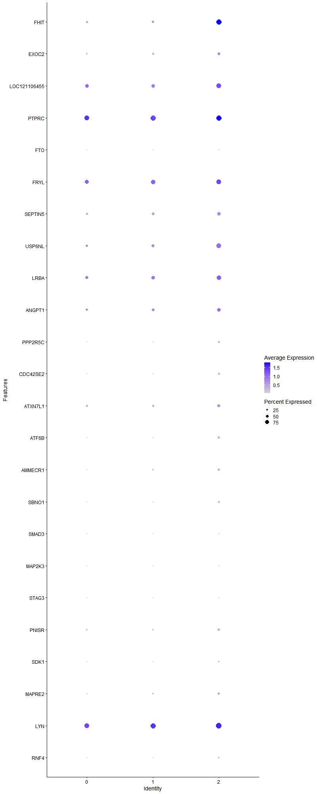
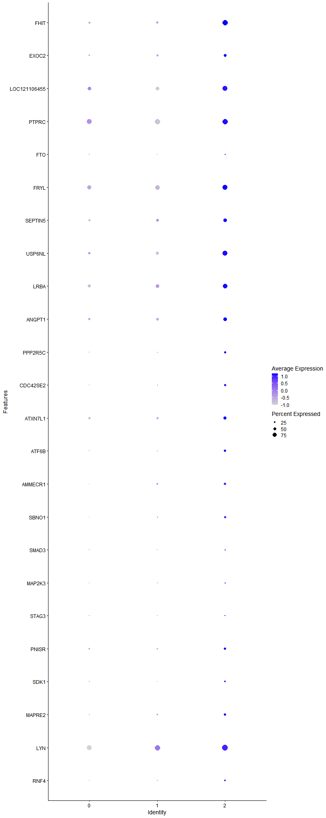
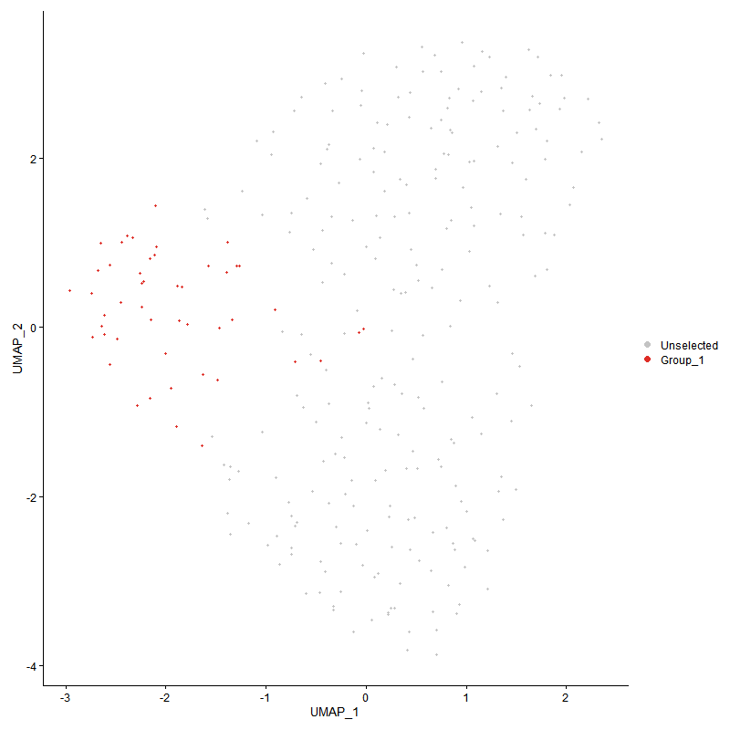
 | p_val | avg_log2FC | pct.1 | pct.2 | p_val_adj | cluster | gene | description
FHIT | 2.1525059402E-24 | 1.6592223929 | 0.958 | 0.383 | 3.2870918213E-20 | 2 | FHIT | FHIT - FHIT - fragile histidine triad diadenosine triphosphatase - The protein encoded by this gene is a P1-P3-bis(5'-adenosyl) triphosphate hydrolase involved in purine metabolism. This gene encompasses the common fragile site FRA3B on chromosome 3, where carcinogen-induced damage can lead to translocations and aberrant transcripts. In fact, aberrant transcripts from this gene have been found in about half of all esophageal, stomach, and colon carcinomas. The encoded protein is also a tumor suppressor, as loss of its activity results in replication stress and DNA damage. [provided by RefSeq, Aug 2017]
EXOC2 | 0.001899204311 | 0.50052269109 | 0.521 | 0.321 | 1 | 2 | EXOC2 | EXOC2 - EXOC2 - exocyst complex component 2 - The protein encoded by this gene is a component of the exocyst complex, a multi-protein complex essential for the polarized targeting of exocytic vesicles to specific docking sites on the plasma membrane. Though best characterized in yeast, the component proteins and the functions of the exocyst complex have been demonstrated to be highly conserved in higher eukaryotes. At least eight components of the exocyst complex, including this protein, are found to interact with the actin cytoskeletal remodeling and vesicle transport machinery. This interaction has been shown to mediate filopodia formation in fibroblasts. This protein has been shown to interact with the Ral subfamily of GTPases and thereby mediate exocytosis by tethering vesicles to the plasma membrane. Alternative splicing results in multiple transcript variants. [provided by RefSeq, Jul 2012]
LOC121106455 | 8.9830696678E-05 | 0.48766529937 | 0.875 | 0.638 | 1 | 2 | LOC121106455 | LOC121106455 - LOC121106455 - ataxin 1 -
PTPRC | 0.0033038544494 | 0.43642326258 | 0.958 | 0.897 | 1 | 2 | PTPRC | PTPRC - PTPRC - protein tyrosine phosphatase receptor type C - The protein encoded by this gene is a member of the protein tyrosine phosphatase (PTP) family. PTPs are known to be signaling molecules that regulate a variety of cellular processes including cell growth, differentiation, mitosis, and oncogenic transformation. This PTP contains an extracellular domain, a single transmembrane segment and two tandem intracytoplasmic catalytic domains, and thus is classified as a receptor type PTP. This PTP has been shown to be an essential regulator of T- and B-cell antigen receptor signaling. It functions through either direct interaction with components of the antigen receptor complexes, or by activating various Src family kinases required for the antigen receptor signaling. This PTP also suppresses JAK kinases, and thus functions as a regulator of cytokine receptor signaling. Alternatively spliced transcripts variants of this gene, which encode distinct isoforms, have been reported. [provided by RefSeq, Jun 2012]
FTO | 0.0012253716577 | 0.37155886261 | 0.208 | 0.066 | 1 | 2 | FTO | FTO - FTO - FTO alpha-ketoglutarate dependent dioxygenase - This gene is a nuclear protein of the AlkB related non-haem iron and 2-oxoglutarate-dependent oxygenase superfamily but the exact physiological function of this gene is not known. Other non-heme iron enzymes function to reverse alkylated DNA and RNA damage by oxidative demethylation. Studies in mice and humans indicate a role in nervous and cardiovascular systems and a strong association with body mass index, obesity risk, and type 2 diabetes. [provided by RefSeq, Jul 2011]
FRYL | 0.0037038079213 | 0.34973828725 | 0.875 | 0.737 | 1 | 2 | FRYL | FRYL - FRYL - FRY like transcription coactivator - Predicted to be involved in cell morphogenesis and neuron projection development. Predicted to be active in cell cortex and site of polarized growth. [provided by Alliance of Genome Resources, Apr 2022]
SEPTIN5 | 0.00085159431633 | 0.34708157212 | 0.667 | 0.403 | 1 | 2 | SEPTIN5 | SEPTIN5 - SEPTIN5 - septin 5 - This gene is a member of the septin gene family of nucleotide binding proteins, originally described in yeast as cell division cycle regulatory proteins. Septins are highly conserved in yeast, Drosophila, and mouse and appear to regulate cytoskeletal organization. Disruption of septin function disturbs cytokinesis and results in large multinucleate or polyploid cells. This gene is mapped to 22q11, the region frequently deleted in DiGeorge and velocardiofacial syndromes. A translocation involving the MLL gene and this gene has also been reported in patients with acute myeloid leukemia. Alternative splicing results in multiple transcript variants. The presence of a non-consensus polyA signal (AACAAT) in this gene also results in read-through transcription into the downstream neighboring gene (GP1BB; platelet glycoprotein Ib), whereby larger, non-coding transcripts are produced. [provided by RefSeq, Dec 2010]
USP6NL | 0.00040512347367 | 0.32870944528 | 0.833 | 0.498 | 1 | 2 | USP6NL | USP6NL - USP6NL - USP6 N-terminal like - Enables GTPase activator activity and small GTPase binding activity. Involved in several processes, including plasma membrane to endosome transport; positive regulation of GTPase activity; and retrograde transport, plasma membrane to Golgi. Located in cytoplasmic vesicle and plasma membrane. [provided by Alliance of Genome Resources, Apr 2022]
LRBA | 0.0023053975941 | 0.32779734264 | 0.812 | 0.605 | 1 | 2 | LRBA | LRBA - LRBA - LPS responsive beige-like anchor protein - The protein encoded by this gene is a member of the WDL-BEACH-WD (WBW) gene family. Its expression is induced in B cells and macrophages by bacterial lipopolysaccharides (LPS). The encoded protein associates with protein kinase A and may be involved in leading intracellular vesicles to activated receptor complexes, which aids in the secretion and/or membrane deposition of immune effector molecules. Defects in this gene are associated with the disorder common variable immunodeficiency-8 with autoimmunity. Two transcript variants encoding different isoforms have been found for this gene. [provided by RefSeq, Dec 2012]
ANGPT1 | 0.0086414244509 | 0.3150939038 | 0.667 | 0.477 | 1 | 2 | ANGPT1 | ANGPT1 - ANGPT1 - angiopoietin 1 - This gene encodes a secreted glycoprotein that belongs to the angiopoietin family. Members of this family play important roles in vascular development and angiogenesis. All angiopoietins bind with similar affinity to an endothelial cell-specific tyrosine-protein kinase receptor. The protein encoded by this gene is a secreted glycoprotein that activates the receptor by inducing its tyrosine phosphorylation. It plays a critical role in mediating reciprocal interactions between the endothelium and surrounding matrix and mesenchyme and inhibits endothelial permeability. The protein also contributes to blood vessel maturation and stability, and may be involved in early development of the heart. Mutations in this gene are associated with hereditary angioedema. [provided by RefSeq, Aug 2020]
PPP2R5C | 0.0040850558853 | 0.29920801839 | 0.312 | 0.148 | 1 | 2 | PPP2R5C | PPP2R5C - PPP2R5C - protein phosphatase 2 regulatory subunit B'gamma - The product of this gene belongs to the phosphatase 2A regulatory subunit B family. Protein phosphatase 2A is one of the four major Ser/Thr phosphatases, and it is implicated in the negative control of cell growth and division. It consists of a common heteromeric core enzyme, which is composed of a catalytic subunit and a constant regulatory subunit, that associates with a variety of regulatory subunits. The B regulatory subunit might modulate substrate selectivity and catalytic activity. This gene encodes a gamma isoform of the regulatory subunit B56 subfamily. Alternatively spliced transcript variants encoding different isoforms have been identified. [provided by RefSeq, Jul 2008]
CDC42SE2 | 0.0012097001303 | 0.29484026797 | 0.354 | 0.156 | 1 | 2 | CDC42SE2 | CDC42SE2 - CDC42SE2 - CDC42 small effector 2 - Enables signaling adaptor activity. Involved in regulation of signal transduction. Located in plasma membrane. [provided by Alliance of Genome Resources, Apr 2022]
ATXN7L1 | 0.0048466566662 | 0.29355635061 | 0.583 | 0.362 | 1 | 2 | ATXN7L1 | ATXN7L1 - ATXN7L1 - ataxin 7 like 1 -
ATF6B | 0.00012949792915 | 0.28014375676 | 0.417 | 0.165 | 1 | 2 | ATF6B | ATF6B - ATF6B - activating transcription factor 6 beta - The protein encoded by this gene is a transcription factor in the unfolded protein response (UPR) pathway during ER stress. Either as a homodimer or as a heterodimer with ATF6-alpha, the encoded protein binds to the ER stress response element, interacting with nuclear transcription factor Y to activate UPR target genes. The protein is normally found in the membrane of the endoplasmic reticulum; however, under ER stress, the N-terminal cytoplasmic domain is cleaved from the rest of the protein and translocates to the nucleus. Two transcript variants encoding different isoforms have been found for this gene. [provided by RefSeq, Oct 2008]
AMMECR1 | 0.0022022630995 | 0.27317896324 | 0.417 | 0.202 | 1 | 2 | AMMECR1 | AMMECR1 - AMMECR1 - AMMECR nuclear protein 1 - The exact function of this gene is not known, however, submicroscopic deletion of the X chromosome including this gene, COL4A5, and FACL4 genes, result in a contiguous gene deletion syndrome, the AMME complex (Alport syndrome, mental retardation, midface hypoplasia, and elliptocytosis). Alternatively spliced transcript variants encoding different isoforms have been found for this gene. [provided by RefSeq, Jan 2010]
SBNO1 | 0.001610475014 | 0.27249473508 | 0.333 | 0.144 | 1 | 2 | SBNO1 | SBNO1 - SBNO1 - strawberry notch homolog 1 - Predicted to enable chromatin DNA binding activity and histone binding activity. Predicted to be involved in regulation of transcription, DNA-templated. Predicted to be active in nucleus. [provided by Alliance of Genome Resources, Apr 2022]
SMAD3 | 0.0023838812973 | 0.26838764033 | 0.229 | 0.082 | 1 | 2 | SMAD3 | SMAD3 - SMAD3 - SMAD family member 3 - The SMAD family of proteins are a group of intracellular signal transducer proteins similar to the gene products of the Drosophila gene 'mothers against decapentaplegic' (Mad) and the C. elegans gene Sma. The SMAD3 protein functions in the transforming growth factor-beta signaling pathway, and transmits signals from the cell surface to the nucleus, regulating gene activity and cell proliferation. This protein forms a complex with other SMAD proteins and binds DNA, functioning both as a transcription factor and tumor suppressor. Mutations in this gene are associated with aneurysms-osteoarthritis syndrome and Loeys-Dietz Syndrome 3. [provided by RefSeq, May 2022]
MAP2K3 | 0.0050201279351 | 0.2661403167 | 0.188 | 0.066 | 1 | 2 | MAP2K3 | MAP2K3 - MAP2K3 - mitogen-activated protein kinase kinase 3 - The protein encoded by this gene is a dual specificity protein kinase that belongs to the MAP kinase kinase family. This kinase is activated by mitogenic and environmental stress, and participates in the MAP kinase-mediated signaling cascade. It phosphorylates and thus activates MAPK14/p38-MAPK. This kinase can be activated by insulin, and is necessary for the expression of glucose transporter. Expression of RAS oncogene is found to result in the accumulation of the active form of this kinase, which thus leads to the constitutive activation of MAPK14, and confers oncogenic transformation of primary cells. The inhibition of this kinase is involved in the pathogenesis of Yersina pseudotuberculosis. Multiple alternatively spliced transcript variants that encode distinct isoforms have been reported for this gene. [provided by RefSeq, Jul 2008]
STAG3 | 0.0060198382477 | 0.2637470238 | 0.125 | 0.033 | 1 | 2 | STAG3 | STAG3 - STAG3 - stromal antigen 3 - The protein encoded by this gene is expressed in the nucleus and is a subunit of the cohesin complex which regulates the cohesion of sister chromatids during cell division. A mutation in this gene is associated with premature ovarian failure. Alternate splicing results in multiple transcript variants encoding distinct isoforms. This gene has multiple pseudogenes. [provided by RefSeq, Apr 2014]
PNISR | 0.0089337213737 | 0.26330844801 | 0.458 | 0.272 | 1 | 2 | PNISR | PNISR - PNISR - PNN interacting serine and arginine rich protein - Enables RNA binding activity. Located in cytosol; nuclear speck; and plasma membrane. [provided by Alliance of Genome Resources, Apr 2022]
SDK1 | 0.0057002648908 | 0.26240591746 | 0.292 | 0.132 | 1 | 2 | SDK1 | SDK1 - SDK1 - sidekick cell adhesion molecule 1 - The protein encoded by this gene is a member of the immunoglobulin superfamily. The protein contains six immunoglobulin-like domains and thirteen fibronectin type III domains. Fibronectin type III domains are present in both extracellular and intracellular proteins and tandem repeats are known to contain binding sites for DNA, heparin and the cell surface. Alternative splicing results in multiple transcript variants. [provided by RefSeq, Jul 2016]
MAPRE2 | 0.0094063909128 | 0.25992645859 | 0.396 | 0.214 | 1 | 2 | MAPRE2 | MAPRE2 - MAPRE2 - microtubule associated protein RP/EB family member 2 - The protein encoded by this gene shares significant homology to the adenomatous polyposis coli (APC) protein-binding EB1 gene family. This protein is a microtubule-associated protein that is necessary for spindle symmetry during mitosis. It is thought to play a role in the tumorigenesis of colorectal cancers and the proliferative control of normal cells. Alternative splicing of this gene results in multiple transcript variants. [provided by RefSeq, Jan 2012]
LYN | 0.0074302088482 | 0.25980100295 | 0.979 | 0.926 | 1 | 2 | LYN | LYN - LYN - LYN proto-oncogene, Src family tyrosine kinase - This gene encodes a tyrosine protein kinase, which maybe involved in the regulation of mast cell degranulation, and erythroid differentiation. Alternatively spliced transcript variants encoding different isoforms have been found for this gene. [provided by RefSeq, Jul 2011]
RNF4 | 3.1982012546E-05 | 0.25770096153 | 0.292 | 0.078 | 0.48839731359 | 2 | RNF4 | RNF4 - RNF4 - ring finger protein 4 - The protein encoded by this gene contains a RING finger motif and acts as a transcription regulator. This protein has been shown to interact with, and inhibit the activity of, TRPS1, a transcription suppressor of GATA-mediated transcription. Transcription repressor ZNF278/PATZ is found to interact with this protein, and thus reduce the enhancement of androgen receptor-dependent transcription mediated by this protein. Studies of the mouse and rat counterparts suggested a role of this protein in spermatogenesis. A pseudogene of this gene is found on chromosome 1.[provided by RefSeq, Jul 2010]

