Clustered cells
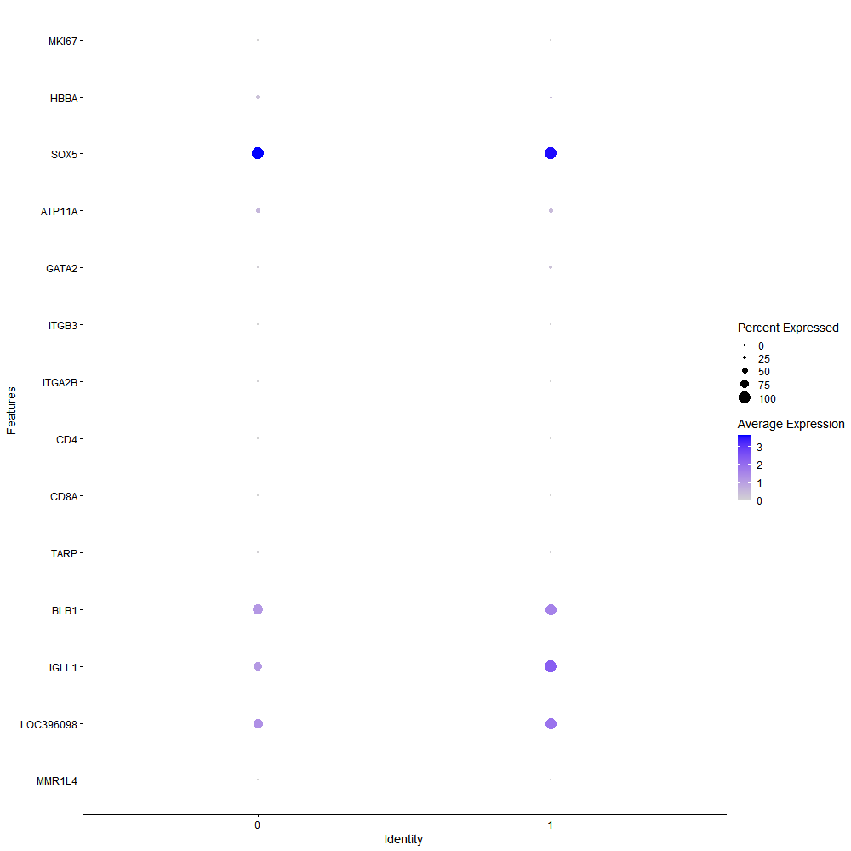
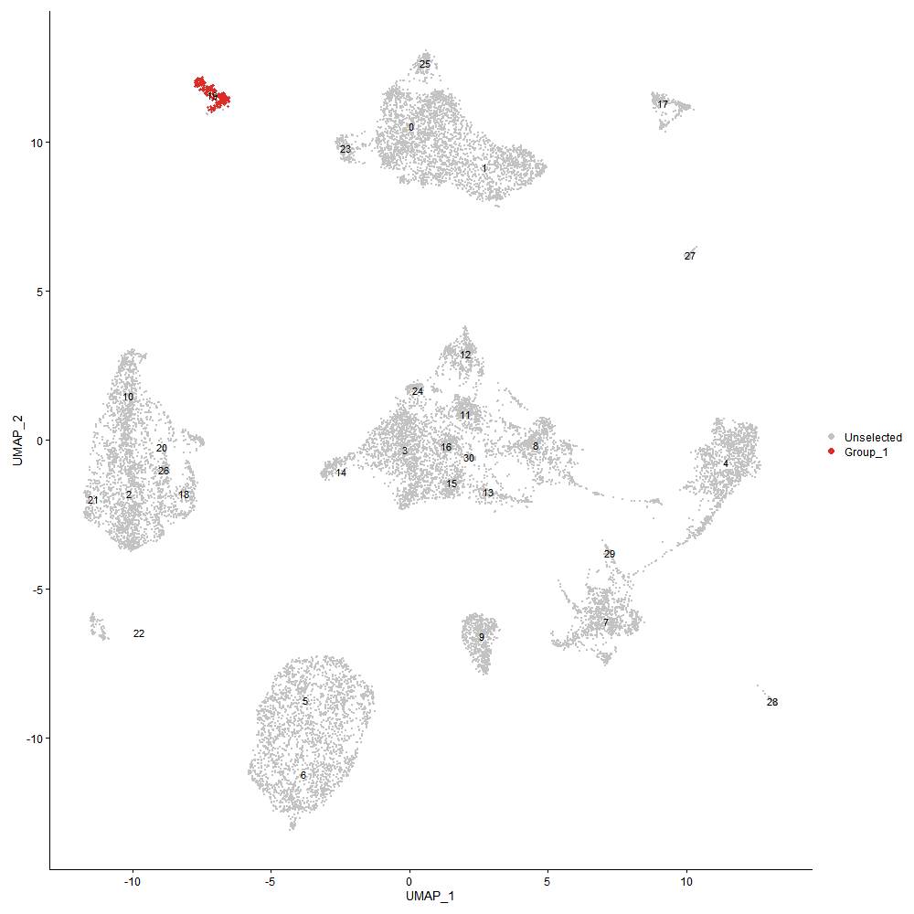
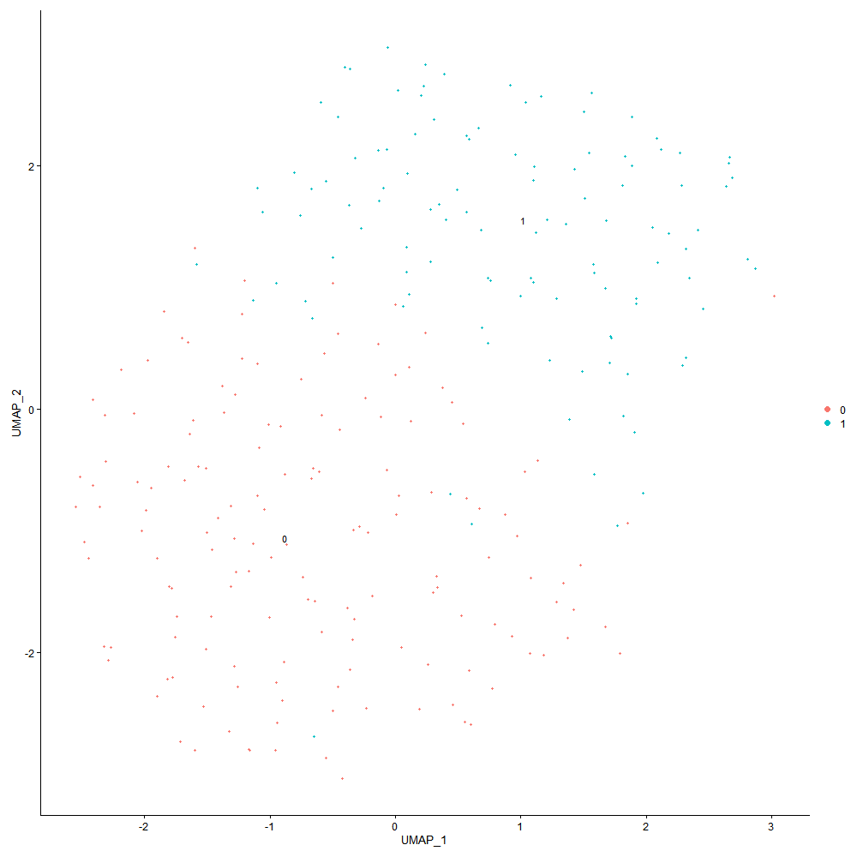

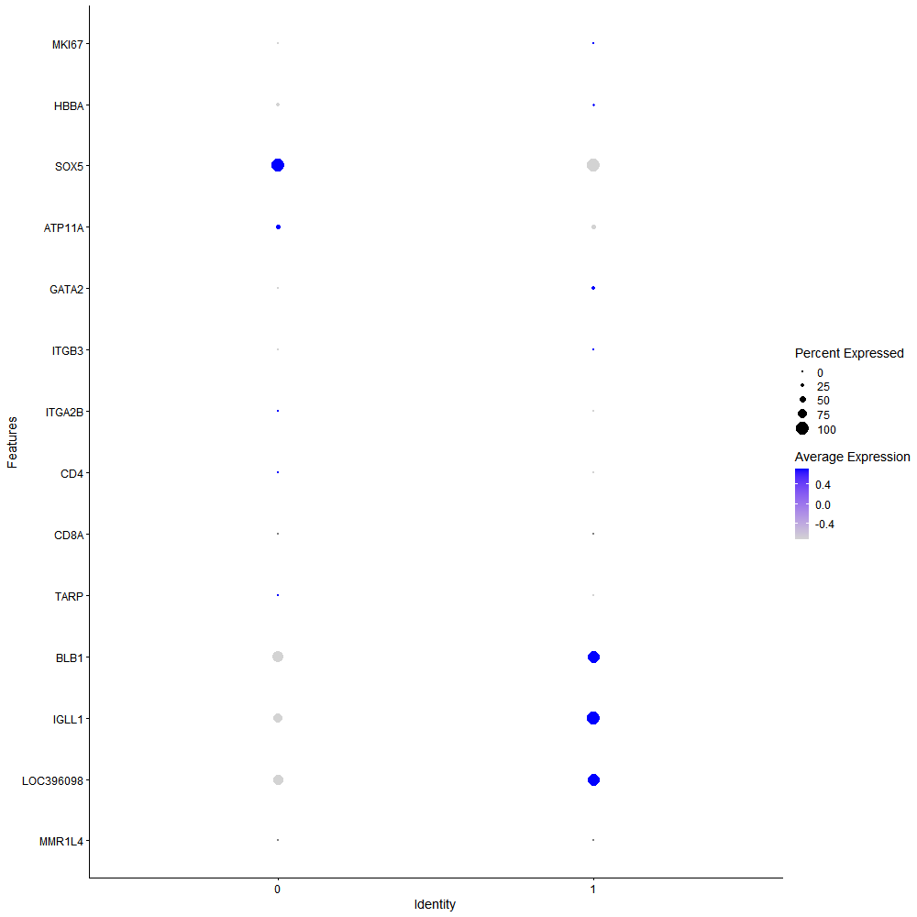
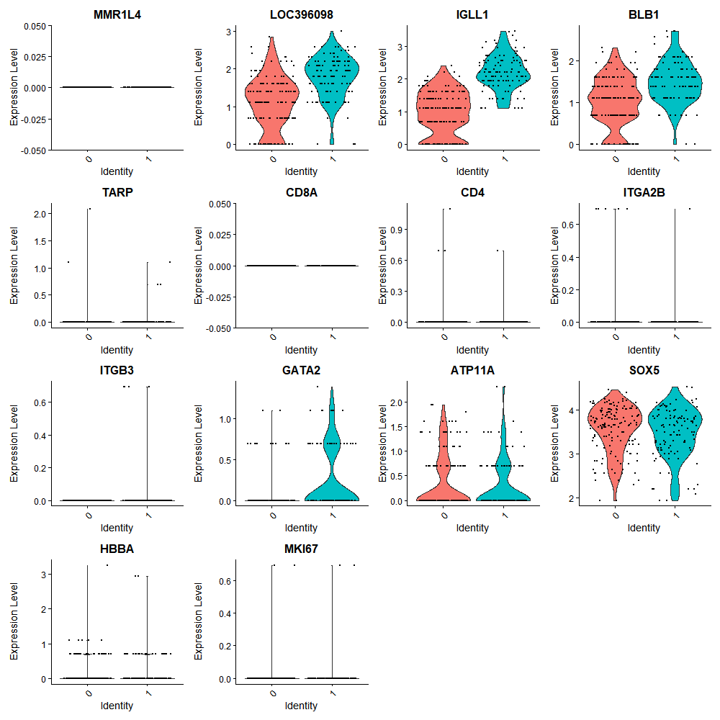

Cluster0
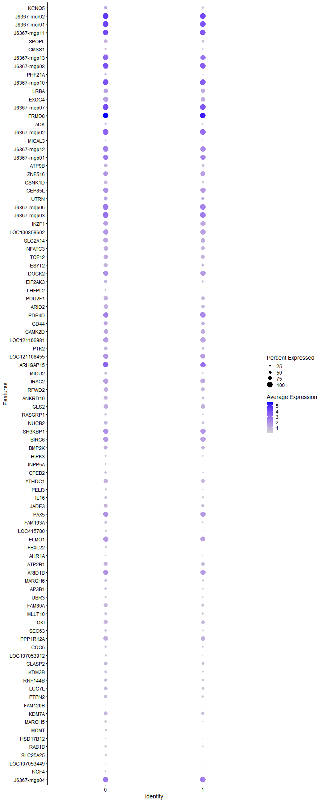
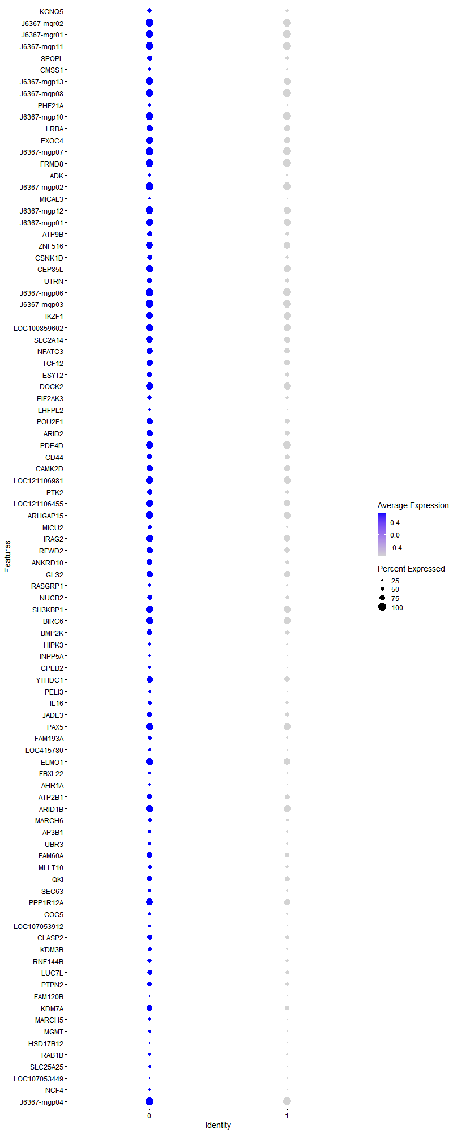
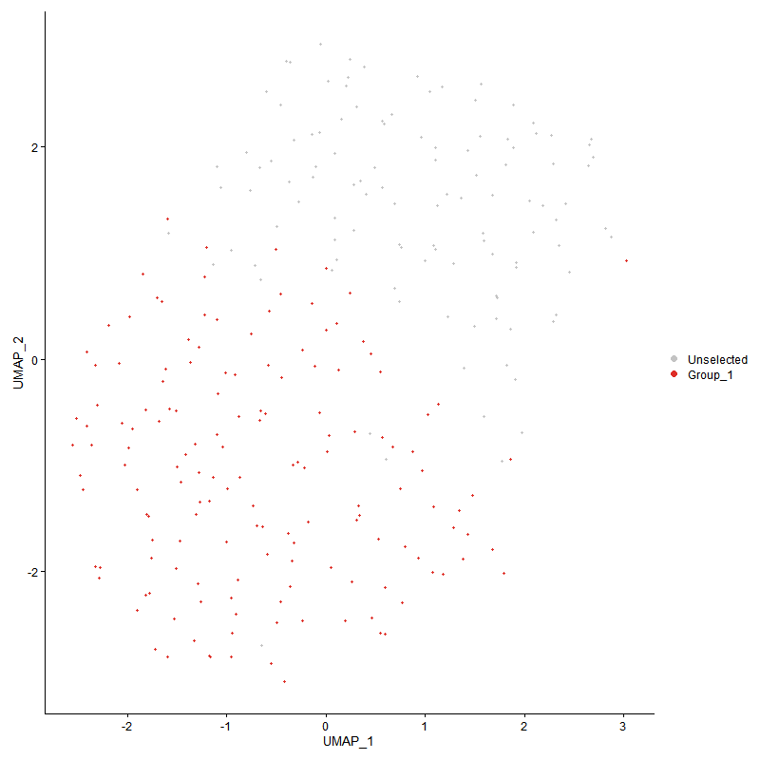
 | p_val | avg_log2FC | pct.1 | pct.2 | p_val_adj | cluster | gene | description
KCNQ5 | 9.4938651E-05 | 0.74607787033 | 0.609 | 0.42 | 1 | 0 | KCNQ5 | KCNQ5 - KCNQ5 - potassium voltage-gated channel subfamily Q member 5 - This gene is a member of the KCNQ potassium channel gene family that is differentially expressed in subregions of the brain and in skeletal muscle. The protein encoded by this gene yields currents that activate slowly with depolarization and can form heteromeric channels with the protein encoded by the KCNQ3 gene. Currents expressed from this protein have voltage dependences and inhibitor sensitivities in common with M-currents. They are also inhibited by M1 muscarinic receptor activation. Multiple transcript variants encoding different isoforms have been found for this gene. [provided by RefSeq, May 2009]
J6367-mgr02 | 0.00016629787956 | 0.63002787229 | 1 | 1 | 1 | 0 | J6367-mgr02 | J6367-mgr02 - J6367_mgr02 - 12S ribosomal RNA -
J6367-mgr01 | 1.3186847535E-06 | 0.60800215475 | 1 | 1 | 0.02013763487 | 0 | J6367-mgr01 | J6367-mgr01 - J6367_mgr01 - 16S ribosomal RNA -
J6367-mgp11 | 1.1536017228E-11 | 0.60423893274 | 1 | 1 | 1.7616651909E-07 | 0 | J6367-mgp11 | J6367-mgp11 - COX1 - cytochrome c oxidase subunit I -
SPOPL | 6.4591031555E-06 | 0.59514769968 | 0.636 | 0.473 | 0.098636964288 | 0 | SPOPL | SPOPL - SPOPL - speckle type BTB/POZ protein like - Predicted to enable ubiquitin protein ligase binding activity. Involved in negative regulation of protein ubiquitination and proteasome-mediated ubiquitin-dependent protein catabolic process. Part of Cul3-RING ubiquitin ligase complex. [provided by Alliance of Genome Resources, Apr 2022]
CMSS1 | 0.00097480393109 | 0.59145758214 | 0.411 | 0.241 | 1 | 0 | CMSS1 | CMSS1 - CMSS1 - cms1 ribosomal small subunit homolog - Enables RNA binding activity. [provided by Alliance of Genome Resources, Apr 2022]
J6367-mgp13 | 1.1047724057E-09 | 0.57523212363 | 1 | 0.991 | 1.6870979408E-05 | 0 | J6367-mgp13 | J6367-mgp13 - ND1 - NADH dehydrogenase subunit 1 -
J6367-mgp08 | 7.6252251751E-10 | 0.56621797743 | 1 | 1 | 1.1644481365E-05 | 0 | J6367-mgp08 | J6367-mgp08 - ATP6 - ATP synthase F0 subunit 6 -
PHF21A | 5.2575053209E-05 | 0.54996707936 | 0.457 | 0.223 | 0.80287363756 | 0 | PHF21A | PHF21A - PHF21A - PHD finger protein 21A - The PHF21A gene encodes BHC80, a component of a BRAF35 (MIM 605535)/histone deacetylase (HDAC; see MIM 601241) complex (BHC) that mediates repression of neuron-specific genes through the cis-regulatory element known as repressor element-1 (RE1) or neural restrictive silencer (NRS) (Hakimi et al., 2002 [PubMed 12032298]).[supplied by OMIM, Nov 2010]
J6367-mgp10 | 1.3854787789E-09 | 0.549579952 | 1 | 1 | 2.1157646433E-05 | 0 | J6367-mgp10 | J6367-mgp10 - COX2 - cytochrome c oxidase subunit II -
LRBA | 0.00019773841976 | 0.53857653369 | 0.788 | 0.786 | 1 | 0 | LRBA | LRBA - LRBA - LPS responsive beige-like anchor protein - The protein encoded by this gene is a member of the WDL-BEACH-WD (WBW) gene family. Its expression is induced in B cells and macrophages by bacterial lipopolysaccharides (LPS). The encoded protein associates with protein kinase A and may be involved in leading intracellular vesicles to activated receptor complexes, which aids in the secretion and/or membrane deposition of immune effector molecules. Defects in this gene are associated with the disorder common variable immunodeficiency-8 with autoimmunity. Two transcript variants encoding different isoforms have been found for this gene. [provided by RefSeq, Dec 2012]
EXOC4 | 7.2243328641E-06 | 0.52120608255 | 0.927 | 0.812 | 0.11032278717 | 0 | EXOC4 | EXOC4 - EXOC4 - exocyst complex component 4 - The protein encoded by this gene is a component of the exocyst complex, a multiple protein complex essential for targeting exocytic vesicles to specific docking sites on the plasma membrane. Though best characterized in yeast, the component proteins and functions of exocyst complex have been demonstrated to be highly conserved in higher eukaryotes. At least eight components of the exocyst complex, including this protein, are found to interact with the actin cytoskeletal remodeling and vesicle transport machinery. The complex is also essential for the biogenesis of epithelial cell surface polarity. Alternate transcriptional splice variants, encoding different isoforms, have been characterized. [provided by RefSeq, Jul 2008]
J6367-mgp07 | 1.9375012112E-07 | 0.50717398515 | 1 | 1 | 0.0029587580996 | 0 | J6367-mgp07 | J6367-mgp07 - COX3 - cytochrome c oxidase subunit III -
FRMD8 | 8.8339447974E-14 | 0.5063194299 | 1 | 1 | 1.34903171E-09 | 0 | FRMD8 | FRMD8 - FRMD8 - FERM domain containing 8 - Involved in positive regulation of tumor necrosis factor production. Located in several cellular components, including centriolar satellite; cytosol; and nucleoplasm. [provided by Alliance of Genome Resources, Apr 2022]
ADK | 0.004507201547 | 0.50286099227 | 0.43 | 0.268 | 1 | 0 | ADK | ADK - ADK - adenosine kinase - This gene an enzyme which catalyzes the transfer of the gamma-phosphate from ATP to adenosine, thereby serving as a regulator of concentrations of both extracellular adenosine and intracellular adenine nucleotides. Adenosine has widespread effects on the cardiovascular, nervous, respiratory, and immune systems and inhibitors of the enzyme could play an important pharmacological role in increasing intravascular adenosine concentrations and acting as anti-inflammatory agents. Multiple transcript variants encoding different isoforms have been found for this gene. [provided by RefSeq, Jan 2011]
J6367-mgp02 | 3.6592507492E-08 | 0.49939125841 | 1 | 1 | 0.00055880418191 | 0 | J6367-mgp02 | J6367-mgp02 - CYTB - cytochrome b -
MICAL3 | 0.002338235495 | 0.49775913488 | 0.311 | 0.161 | 1 | 0 | MICAL3 | MICAL3 - MICAL3 - microtubule associated monooxygenase, calponin and LIM domain containing 3 - Enables actin binding activity. Involved in actin filament depolymerization. Located in several cellular components, including Flemming body; intercellular bridge; and nucleoplasm. [provided by Alliance of Genome Resources, Apr 2022]
J6367-mgp12 | 3.935557288E-08 | 0.49567952543 | 1 | 0.982 | 0.00060099895346 | 0 | J6367-mgp12 | J6367-mgp12 - ND2 - NADH dehydrogenase subunit 2 -
J6367-mgp01 | 0.00020928376847 | 0.49389947747 | 0.987 | 0.982 | 1 | 0 | J6367-mgp01 | J6367-mgp01 - ND6 - NADH dehydrogenase subunit 6 -
ATP9B | 0.00020453728993 | 0.47631920482 | 0.669 | 0.491 | 1 | 0 | ATP9B | ATP9B - ATP9B - ATPase phospholipid transporting 9B (putative) - Predicted to enable ATPase-coupled intramembrane lipid transporter activity. Predicted to be involved in endocytosis; phospholipid translocation; and retrograde vesicle-mediated transport, Golgi to endoplasmic reticulum. Located in perinuclear region of cytoplasm and trans-Golgi network. [provided by Alliance of Genome Resources, Apr 2022]
ZNF516 | 7.1510865983E-05 | 0.47498635425 | 0.914 | 0.857 | 1 | 0 | ZNF516 | ZNF516 - ZNF516 - zinc finger protein 516 - Zinc-finger proteins bind nucleic acids and play important roles in various cellular functions, including cell proliferation, differentiation, and apoptosis. This gene encodes a zinc-finger protein, and belongs to the krueppel C2H2-type zinc-finger protein family. It may be involved in transcriptional regulation. [provided by RefSeq, Sep 2012]
CSNK1D | 4.4084212155E-05 | 0.47165298138 | 0.656 | 0.446 | 0.67321000382 | 0 | CSNK1D | CSNK1D - CSNK1D - casein kinase 1 delta - This gene is a member of the casein kinase I (CKI) gene family whose members have been implicated in the control of cytoplasmic and nuclear processes, including DNA replication and repair. The encoded protein may also be involved in the regulation of apoptosis, circadian rhythm, microtubule dynamics, chromosome segregation, and p53-mediated effects on growth. The encoded protein is highly similar to the mouse and rat CK1 delta homologs. Three transcript variants encoding different isoforms have been found for this gene. [provided by RefSeq, Feb 2014]
CEP85L | 6.797438869E-05 | 0.4689328884 | 0.954 | 0.964 | 1 | 0 | CEP85L | CEP85L - CEP85L - centrosomal protein 85 like - The protein encoded by this gene was identified as a breast cancer antigen. Nothing more is known of its function at this time. Three transcript variants encoding different isoforms have been found for this gene. [provided by RefSeq, May 2010]
UTRN | 0.00082824056338 | 0.46342586351 | 0.735 | 0.616 | 1 | 0 | UTRN | UTRN - UTRN - utrophin - This gene shares both structural and functional similarities with the dystrophin gene. It contains an actin-binding N-terminus, a triple coiled-coil repeat central region, and a C-terminus that consists of protein-protein interaction motifs which interact with dystroglycan protein components. The protein encoded by this gene is located at the neuromuscular synapse and myotendinous junctions, where it participates in post-synaptic membrane maintenance and acetylcholine receptor clustering. Mouse studies suggest that this gene may serve as a functional substitute for the dystrophin gene and therefore, may serve as a potential therapeutic alternative to muscular dystrophy which is caused by mutations in the dystrophin gene. Alternative splicing of the utrophin gene has been described; however, the full-length nature of these variants has not yet been determined. [provided by RefSeq, Jul 2008]
J6367-mgp06 | 1.4600087242E-05 | 0.45988433437 | 1 | 1 | 0.22295793227 | 0 | J6367-mgp06 | J6367-mgp06 - ND3 - NADH dehydrogenase subunit 3 -
J6367-mgp03 | 6.9214160458E-06 | 0.45380895764 | 1 | 1 | 0.10569694444 | 0 | J6367-mgp03 | J6367-mgp03 - ND5 - NADH dehydrogenase subunit 5 -
IKZF1 | 0.00039542220515 | 0.44374470835 | 0.868 | 0.938 | 1 | 0 | IKZF1 | IKZF1 - IKZF1 - IKAROS family zinc finger 1 - This gene encodes a transcription factor that belongs to the family of zinc-finger DNA-binding proteins associated with chromatin remodeling. The expression of this protein is restricted to the fetal and adult hemo-lymphopoietic system, and it functions as a regulator of lymphocyte differentiation. Several alternatively spliced transcript variants encoding different isoforms have been described for this gene. Most isoforms share a common C-terminal domain, which contains two zinc finger motifs that are required for hetero- or homo-dimerization, and for interactions with other proteins. The isoforms, however, differ in the number of N-terminal zinc finger motifs that bind DNA and in nuclear localization signal presence, resulting in members with and without DNA-binding properties. Only a few isoforms contain the requisite three or more N-terminal zinc motifs that confer high affinity binding to a specific core DNA sequence element in the promoters of target genes. The non-DNA-binding isoforms are largely found in the cytoplasm, and are thought to function as dominant-negative factors. Overexpression of some dominant-negative isoforms have been associated with B-cell malignancies, such as acute lymphoblastic leukemia (ALL). [provided by RefSeq, May 2014]
LOC100859602 | 3.4960876356E-05 | 0.4424177768 | 0.934 | 0.929 | 0.53388754284 | 0 | LOC100859602 | LOC100859602 - LOC100859602 - zinc finger SWIM domain-containing protein 6-like -
SLC2A14 | 0.00029342584824 | 0.44180914977 | 0.881 | 0.795 | 1 | 0 | SLC2A14 | SLC2A14 - SLC2A14 - solute carrier family 2 member 14 - Members of the glucose transporter (GLUT) family, including SLC2A14, are highly conserved integral membrane proteins that transport hexoses such as glucose and fructose into all mammalian cells. GLUTs show tissue and cell-type specific expression (Wu and Freeze, 2002 [PubMed 12504846]).[supplied by OMIM, Mar 2008]
NFATC3 | 0.0011515825153 | 0.44000232552 | 0.781 | 0.696 | 1 | 0 | NFATC3 | NFATC3 - NFATC3 - nuclear factor of activated T cells 3 - The product of this gene is a member of the nuclear factors of activated T cells DNA-binding transcription complex. This complex consists of at least two components: a preexisting cytosolic component that translocates to the nucleus upon T cell receptor (TCR) stimulation and an inducible nuclear component. Other members of this family participate to form this complex also. The product of this gene plays a role in the regulation of gene expression in T cells and immature thymocytes. Several transcript variants encoding distinct isoforms have been identified for this gene. [provided by RefSeq, Nov 2010]
TCF12 | 0.0045420614428 | 0.42759433349 | 0.801 | 0.696 | 1 | 0 | TCF12 | TCF12 - TCF12 - transcription factor 12 - The protein encoded by this gene is a member of the basic helix-loop-helix (bHLH) E-protein family that recognizes the consensus binding site (E-box) CANNTG. This encoded protein is expressed in many tissues, among them skeletal muscle, thymus, B- and T-cells, and may participate in regulating lineage-specific gene expression through the formation of heterodimers with other bHLH E-proteins. Several alternatively spliced transcript variants of this gene have been described, but the full-length nature of some of these variants has not been determined. [provided by RefSeq, Jul 2008]
ESYT2 | 3.0960306513E-05 | 0.42626176556 | 0.768 | 0.571 | 0.47279484075 | 0 | ESYT2 | ESYT2 - ESYT2 - extended synaptotagmin 2 - Enables calcium ion binding activity; identical protein binding activity; and phospholipid binding activity. Predicted to be involved in endocytosis; endoplasmic reticulum-plasma membrane tethering; and lipid transport. Located in endoplasmic reticulum-plasma membrane contact site. Is extrinsic component of cytoplasmic side of plasma membrane; integral component of plasma membrane; and intrinsic component of endoplasmic reticulum membrane. [provided by Alliance of Genome Resources, Apr 2022]
DOCK2 | 0.00055589772772 | 0.42450239776 | 0.993 | 0.982 | 1 | 0 | DOCK2 | DOCK2 - DOCK2 - dedicator of cytokinesis 2 - The protein encoded by this gene belongs to the CDM protein family. It is specifically expressed in hematopoietic cells and is predominantly expressed in peripheral blood leukocytes. The protein is involved in remodeling of the actin cytoskeleton required for lymphocyte migration in response to chemokine signaling. It activates members of the Rho family of GTPases, for example RAC1 and RAC2, by acting as a guanine nucleotide exchange factor (GEF) to exchange bound GDP for free GTP. Mutations in this gene result in immunodeficiency 40 (IMD40), a combined form of immunodeficiency that affects T cell number and function, also with variable defects in B cell and NK cell function. [provided by RefSeq, May 2018]
EIF2AK3 | 0.0003780864079 | 0.42417865852 | 0.616 | 0.429 | 1 | 0 | EIF2AK3 | EIF2AK3 - EIF2AK3 - eukaryotic translation initiation factor 2 alpha kinase 3 - The protein encoded by this gene phosphorylates the alpha subunit of eukaryotic translation-initiation factor 2, leading to its inactivation, and thus to a rapid reduction of translational initiation and repression of global protein synthesis. This protein is thought to modulate mitochondrial function. It is a type I membrane protein located in the endoplasmic reticulum (ER), where it is induced by ER stress caused by malfolded proteins. Mutations in this gene are associated with Wolcott-Rallison syndrome. [provided by RefSeq, Sep 2015]
LHFPL2 | 5.9397039109E-05 | 0.42375226719 | 0.265 | 0.071 | 0.90705218424 | 0 | LHFPL2 | LHFPL2 - LHFPL2 - LHFPL tetraspan subfamily member 2 - This gene is a member of the lipoma HMGIC fusion partner (LHFP) gene family, which is a subset of the superfamily of tetraspan transmembrane protein encoding genes. Mutations in one LHFP-like gene result in deafness in humans and mice, and a second LHFP-like gene is fused to a high-mobility group gene in a translocation-associated lipoma. Alternatively spliced transcript variants have been found, but their biological validity has not been determined. [provided by RefSeq, Jul 2008]
POU2F1 | 0.00096212992375 | 0.41937382668 | 0.781 | 0.634 | 1 | 0 | POU2F1 | POU2F1 - POU2F1 - POU class 2 homeobox 1 - The OCT1 transcription factor was among the first identified members of the POU transcription factor family (summarized by Sturm et al., 1993 [PubMed 8314572]). Members of this family contain the POU domain, a 160-amino acid region necessary for DNA binding to the octameric sequence ATGCAAAT.[supplied by OMIM, Jul 2010]
ARID2 | 0.00011684478843 | 0.4076692757 | 0.801 | 0.643 | 1 | 0 | ARID2 | ARID2 - ARID2 - AT-rich interaction domain 2 - This gene encodes a member of the AT-rich interactive domain (ARID)-containing family of DNA-binding proteins. Members of the ARID family have roles in embryonic patterning, cell lineage gene regulation, cell cycle control, transcriptional regulation and chromatin structure modification. This protein functions as a subunit of the polybromo- and BRG1-associated factor or PBAF (SWI/SNF-B) chromatin remodeling complex which facilitates ligand-dependent transcriptional activation by nuclear receptors. Mutations in this gene are associated with hepatocellular carcinomas. A pseudogene of this gene is found on chromosome1. [provided by RefSeq, Dec 2016]
PDE4D | 0.00047485724557 | 0.39816453875 | 0.993 | 1 | 1 | 0 | PDE4D | PDE4D - PDE4D - phosphodiesterase 4D - This gene encodes one of four mammalian counterparts to the fruit fly 'dunce' gene. The encoded protein has 3',5'-cyclic-AMP phosphodiesterase activity and degrades cAMP, which acts as a signal transduction molecule in multiple cell types. This gene uses different promoters to generate multiple alternatively spliced transcript variants that encode functional proteins.[provided by RefSeq, Sep 2009]
CD44 | 0.0090580328716 | 0.39379937206 | 0.768 | 0.679 | 1 | 0 | CD44 | CD44 - CD44 - CD44 molecule (Indian blood group) - The protein encoded by this gene is a cell-surface glycoprotein involved in cell-cell interactions, cell adhesion and migration. It is a receptor for hyaluronic acid (HA) and can also interact with other ligands, such as osteopontin, collagens, and matrix metalloproteinases (MMPs). This protein participates in a wide variety of cellular functions including lymphocyte activation, recirculation and homing, hematopoiesis, and tumor metastasis. Transcripts for this gene undergo complex alternative splicing that results in many functionally distinct isoforms, however, the full length nature of some of these variants has not been determined. Alternative splicing is the basis for the structural and functional diversity of this protein, and may be related to tumor metastasis. [provided by RefSeq, Jul 2008]
CAMK2D | 0.00059070207034 | 0.39170979779 | 0.821 | 0.777 | 1 | 0 | CAMK2D | CAMK2D - CAMK2D - calcium/calmodulin dependent protein kinase II delta - The product of this gene belongs to the serine/threonine protein kinase family and to the Ca(2+)/calmodulin-dependent protein kinase subfamily. Calcium signaling is crucial for several aspects of plasticity at glutamatergic synapses. In mammalian cells, the enzyme is composed of four different chains: alpha, beta, gamma, and delta. The product of this gene is a delta chain. Alternative splicing results in multiple transcript variants encoding distinct isoforms. Distinct isoforms of this chain have different expression patterns.[provided by RefSeq, Nov 2008]
LOC121106981 | 7.261001043E-05 | 0.39165787296 | 0.927 | 0.929 | 1 | 0 | LOC121106981 | LOC121106981
PTK2 | 0.0051192488534 | 0.38931597031 | 0.642 | 0.509 | 1 | 0 | PTK2 | PTK2 - PTK2 - protein tyrosine kinase 2 - This gene encodes a cytoplasmic protein tyrosine kinase which is found concentrated in the focal adhesions that form between cells growing in the presence of extracellular matrix constituents. The encoded protein is a member of the FAK subfamily of protein tyrosine kinases but lacks significant sequence similarity to kinases from other subfamilies. Activation of this gene may be an important early step in cell growth and intracellular signal transduction pathways triggered in response to certain neural peptides or to cell interactions with the extracellular matrix. Several transcript variants encoding different isoforms have been found for this gene. [provided by RefSeq, Jun 2017]
LOC121106455 | 0.0006130522263 | 0.3868450575 | 0.96 | 0.893 | 1 | 0 | LOC121106455 | LOC121106455 - LOC121106455 - ataxin 1 -
ARHGAP15 | 8.6182503622E-07 | 0.38661420413 | 1 | 0.991 | 0.013160930128 | 0 | ARHGAP15 | ARHGAP15 - ARHGAP15 - Rho GTPase activating protein 15 - RHO GTPases (see ARHA; MIM 165390) regulate diverse biologic processes, and their activity is regulated by RHO GTPase-activating proteins (GAPs), such as ARHGAP15 (Seoh et al., 2003 [PubMed 12650940]).[supplied by OMIM, Mar 2008]
MICU2 | 0.0012627222766 | 0.3825370585 | 0.49 | 0.304 | 1 | 0 | MICU2 | MICU2 - MICU2 - mitochondrial calcium uptake 2 - Enables protein heterodimerization activity. Involved in calcium import into the mitochondrion and negative regulation of mitochondrial calcium ion concentration. Located in mitochondrial inner membrane and mitochondrial intermembrane space. Part of uniplex complex. [provided by Alliance of Genome Resources, Apr 2022]
IRAG2 | 9.0141989236E-05 | 0.37944026366 | 0.94 | 0.893 | 1 | 0 | IRAG2 | IRAG2 - IRAG2 - inositol 1,4,5-triphosphate receptor associated 2 - The protein encode dby this gene is expressed in a developmentally regulated manner in lymphoid cell lines and tissues. The protein is localized to the cytoplasmic face of the endoplasmic reticulum. [provided by RefSeq, Jul 2008]
RFWD2 | 0.00098429328326 | 0.37552124438 | 0.781 | 0.714 | 1 | 0 | RFWD2 | RFWD2 - COP1 - COP1 E3 ubiquitin ligase - Enables ubiquitin protein ligase activity. Involved in positive regulation of proteasomal ubiquitin-dependent protein catabolic process; proteasome-mediated ubiquitin-dependent protein catabolic process; and response to ionizing radiation. Part of Cul4A-RING E3 ubiquitin ligase complex. [provided by Alliance of Genome Resources, Apr 2022]
ANKRD10 | 0.0022437656604 | 0.37355449377 | 0.728 | 0.536 | 1 | 0 | ANKRD10 | ANKRD10 - ANKRD10 - ankyrin repeat domain 10 -
GLS2 | 1.8637429797E-05 | 0.37290011137 | 0.834 | 0.839 | 0.28461219043 | 0 | GLS2 | GLS2 - GLS2 - glutaminase 2 - The protein encoded by this gene is a mitochondrial phosphate-activated glutaminase that catalyzes the hydrolysis of glutamine to stoichiometric amounts of glutamate and ammonia. Originally thought to be liver-specific, this protein has been found in other tissues as well. Alternative splicing results in multiple transcript variants that encode different isoforms. [provided by RefSeq, Jul 2013]
RASGRP1 | 0.00076123103633 | 0.3721494753 | 0.43 | 0.241 | 1 | 0 | RASGRP1 | RASGRP1 - RASGRP1 - RAS guanyl releasing protein 1 - This gene is a member of a family of genes characterized by the presence of a Ras superfamily guanine nucleotide exchange factor (GEF) domain. It functions as a diacylglycerol (DAG)-regulated nucleotide exchange factor specifically activating Ras through the exchange of bound GDP for GTP. It activates the Erk/MAP kinase cascade and regulates T-cells and B-cells development, homeostasis and differentiation. Alternatively spliced transcript variants encoding different isoforms have been identified. Altered expression of the different isoforms of this protein may be a cause of susceptibility to systemic lupus erythematosus (SLE). [provided by RefSeq, Jul 2008]
NUCB2 | 0.0051279040743 | 0.36562202302 | 0.629 | 0.5 | 1 | 0 | NUCB2 | NUCB2 - NUCB2 - nucleobindin 2 - This gene encodes a protein with a suggested role in calcium level maintenance, eating regulation in the hypothalamus, and release of tumor necrosis factor from vascular endothelial cells. This protein binds calcium and has EF-folding domains. [provided by RefSeq, Oct 2011]
SH3KBP1 | 0.0055486663898 | 0.36541678865 | 0.954 | 0.938 | 1 | 0 | SH3KBP1 | SH3KBP1 - SH3KBP1 - SH3 domain containing kinase binding protein 1 - This gene encodes an adapter protein that contains one or more N-terminal Src homology domains, a proline rich region and a C-terminal coiled-coil domain. The encoded protein facilitates protein-protein interactions and has been implicated in numerous cellular processes including apoptosis, cytoskeletal rearrangement, cell adhesion and in the regulation of clathrin-dependent endocytosis. Alternate splicing results in multiple transcript variants encoding distinct isoforms. [provided by RefSeq, Jul 2017]
BIRC6 | 0.0065008509136 | 0.36524363754 | 0.94 | 0.946 | 1 | 0 | BIRC6 | BIRC6 - BIRC6 - baculoviral IAP repeat containing 6 - This gene encodes a protein with a BIR (baculoviral inhibition of apoptosis protein repeat) domain and a UBCc (ubiquitin-conjugating enzyme E2, catalytic) domain. This protein inhibits apoptosis by facilitating the degradation of apoptotic proteins by ubiquitination. [provided by RefSeq, Jul 2008]
BMP2K | 0.0083334967503 | 0.36375985147 | 0.762 | 0.67 | 1 | 0 | BMP2K | BMP2K - BMP2K - BMP2 inducible kinase - This gene is the human homolog of mouse BMP-2-inducible kinase. Bone morphogenic proteins (BMPs) play a key role in skeletal development and patterning. Expression of the mouse gene is increased during BMP-2 induced differentiation and the gene product is a putative serine/threonine protein kinase containing a nuclear localization signal. Therefore, the protein encoded by this human homolog is thought to be a protein kinase with a putative regulatory role in attenuating the program of osteoblast differentiation. Two transcript variants encoding different isoforms have been found for this gene. [provided by RefSeq, Jul 2008]
HIPK3 | 0.0020617763312 | 0.36363127476 | 0.411 | 0.25 | 1 | 0 | HIPK3 | HIPK3 - HIPK3 - homeodomain interacting protein kinase 3 - Enables protein serine/threonine kinase activity. Involved in mRNA transcription; negative regulation of apoptotic process; and protein phosphorylation. Located in cytosol; nuclear body; and plasma membrane. [provided by Alliance of Genome Resources, Apr 2022]
INPP5A | 0.00023345334089 | 0.36207566849 | 0.305 | 0.116 | 1 | 0 | INPP5A | INPP5A - INPP5A - inositol polyphosphate-5-phosphatase A - The protein encoded by this gene is a membrane-associated type I inositol 1,4,5-trisphosphate (InsP3) 5-phosphatase. InsP3 5-phosphatases hydrolyze Ins(1,4,5)P3, which mobilizes intracellular calcium and acts as a second messenger mediating cell responses to various stimulation. [provided by RefSeq, Jul 2008]
CPEB2 | 0.00057450344003 | 0.35891496792 | 0.411 | 0.196 | 1 | 0 | CPEB2 | CPEB2 - CPEB2 - cytoplasmic polyadenylation element binding protein 2 - The protein encoded by this gene is highly similar to cytoplasmic polyadenylation element binding protein (CPEB), an mRNA-binding protein that regulates cytoplasmic polyadenylation of mRNA as a trans factor in oogenesis and spermatogenesis. Studies of the similar gene in mice suggested a possible role of this protein in transcriptionally inactive haploid spermatids. Alternatively spliced transcript variants encoding distinct isoforms have been described. [provided by RefSeq, Jul 2008]
YTHDC1 | 0.0047569459498 | 0.35805340023 | 0.788 | 0.714 | 1 | 0 | YTHDC1 | YTHDC1 - YTHDC1 - YTH domain containing 1 - Enables N6-methyladenosine-containing RNA binding activity. Involved in mRNA export from nucleus; mRNA splice site selection; and regulation of gene expression. Located in nuclear speck and plasma membrane. [provided by Alliance of Genome Resources, Apr 2022]
PELI3 | 0.0020223350179 | 0.35744607754 | 0.371 | 0.196 | 1 | 0 | PELI3 | PELI3 - PELI3 - pellino E3 ubiquitin protein ligase family member 3 - The protein encoded by this gene is a scaffold protein and an intermediate signaling protein in the innate immune response pathway. The encoded protein helps transmit the immune response signal from Toll-like receptors to IRAK1/TRAF6 complexes. Several transcript variants encoding different isoforms have been found for this gene.[provided by RefSeq, Jul 2011]
IL16 | 0.0033576477314 | 0.35605642095 | 0.536 | 0.393 | 1 | 0 | IL16 | IL16 - IL16 - interleukin 16 - The protein encoded by this gene is a pleiotropic cytokine that functions as a chemoattractant, a modulator of T cell activation, and an inhibitor of HIV replication. The signaling process of this cytokine is mediated by CD4. The product of this gene undergoes proteolytic processing, which is found to yield two functional proteins. The cytokine function is exclusively attributed to the secreted C-terminal peptide, while the N-terminal product may play a role in cell cycle control. Caspase 3 is reported to be involved in the proteolytic processing of this protein. Alternate splicing results in multiple transcript variants. [provided by RefSeq, Feb 2010]
JADE3 | 0.0021486038968 | 0.35077001268 | 0.695 | 0.589 | 1 | 0 | JADE3 | JADE3 - JADE3 - jade family PHD finger 3 - This gene encodes a member of a family of large proteins containing PHD (plant homeo domain)-type zinc fingers. The encoded protein may be associated in a nuclear complex that functions in histone H4 acetylation. Alternative splicing results in multiple transcript variants encoding the same protein. [provided by RefSeq, Aug 2013]
PAX5 | 0.00057854885621 | 0.34783617977 | 0.96 | 0.973 | 1 | 0 | PAX5 | PAX5 - PAX5 - paired box 5 - This gene encodes a member of the paired box (PAX) family of transcription factors. The central feature of this gene family is a novel, highly conserved DNA-binding motif, known as the paired box. Paired box transcription factors are important regulators in early development, and alterations in the expression of their genes are thought to contribute to neoplastic transformation. This gene encodes the B-cell lineage specific activator protein that is expressed at early, but not late stages of B-cell differentiation. Its expression has also been detected in developing CNS and testis and so the encoded protein may also play a role in neural development and spermatogenesis. This gene is located at 9p13, which is involved in t(9;14)(p13;q32) translocations recurring in small lymphocytic lymphomas of the plasmacytoid subtype, and in derived large-cell lymphomas. This translocation brings the potent E-mu enhancer of the IgH gene into close proximity of the PAX5 promoter, suggesting that the deregulation of transcription of this gene contributes to the pathogenesis of these lymphomas. Alternative splicing results in multiple transcript variants encoding different isoforms. [provided by RefSeq, Jul 2013]
FAM193A | 0.0025713690493 | 0.34505417081 | 0.483 | 0.312 | 1 | 0 | FAM193A | FAM193A - FAM193A - family with sequence similarity 193 member A -
LOC415780 | 0.0045421699179 | 0.33912755592 | 0.351 | 0.196 | 1 | 0 | LOC415780 | LOC415780 - LOC415780 - transcription initiation factor TFIID subunit 4-like -
ELMO1 | 0.0012026215638 | 0.33799574789 | 0.927 | 0.857 | 1 | 0 | ELMO1 | ELMO1 - ELMO1 - engulfment and cell motility 1 - This gene encodes a member of the engulfment and cell motility protein family. These proteins interact with dedicator of cytokinesis proteins to promote phagocytosis and cell migration. Increased expression of this gene and dedicator of cytokinesis 1 may promote glioma cell invasion, and single nucleotide polymorphisms in this gene may be associated with diabetic nephropathy. Alternative splicing results in multiple transcript variants. [provided by RefSeq, Aug 2013]
FBXL22 | 0.00017494004565 | 0.33510424443 | 0.391 | 0.179 | 1 | 0 | FBXL22 | FBXL22 - FBXL22 - F-box and leucine rich repeat protein 22 - This gene encodes a member of the F-box protein family. This F-box protein interacts with S-phase kinase-associated protein 1A and cullin in order to form SCF complexes which function as ubiquitin ligases.[provided by RefSeq, Sep 2010]
AHR1A | 0.0050953902833 | 0.33265215937 | 0.311 | 0.161 | 1 | 0 | AHR1A | AHR1A - AHR1A - aryl hydrocarbon receptor 1 alpha -
ATP2B1 | 0.0025617853003 | 0.3262948575 | 0.742 | 0.625 | 1 | 0 | ATP2B1 | ATP2B1 - ATP2B1 - ATPase plasma membrane Ca2+ transporting 1 - The protein encoded by this gene belongs to the family of P-type primary ion transport ATPases characterized by the formation of an aspartyl phosphate intermediate during the reaction cycle. These enzymes remove bivalent calcium ions from eukaryotic cells against very large concentration gradients and play a critical role in intracellular calcium homeostasis. The mammalian plasma membrane calcium ATPase isoforms are encoded by at least four separate genes and the diversity of these enzymes is further increased by alternative splicing of transcripts. The expression of different isoforms and splice variants is regulated in a developmental, tissue- and cell type-specific manner, suggesting that these pumps are functionally adapted to the physiological needs of particular cells and tissues. This gene encodes the plasma membrane calcium ATPase isoform 1. Alternatively spliced transcript variants encoding different isoforms have been identified. [provided by RefSeq, Jul 2008]
ARID1B | 0.0072250165247 | 0.32456503305 | 0.967 | 0.982 | 1 | 0 | ARID1B | ARID1B - ARID1B - AT-rich interaction domain 1B - This locus encodes an AT-rich DNA interacting domain-containing protein. The encoded protein is a component of the SWI/SNF chromatin remodeling complex and may play a role in cell-cycle activation. The protein encoded by this locus is similar to AT-rich interactive domain-containing protein 1A. These two proteins function as alternative, mutually exclusive ARID-subunits of the SWI/SNF complex. The associated complexes play opposing roles. Alternative splicing results in multiple transcript variants. [provided by RefSeq, Oct 2016]
MARCH6 | 0.0068334428962 | 0.32246695316 | 0.483 | 0.357 | 1 | 0 | MARCH6 | MARCH6 - MARCHF6 - membrane associated ring-CH-type finger 6 - This gene encodes a member of a family of membrane-associated E3 ubiquitin ligases containing RING-CH-type zinc finger motifs. Ubiquitination of type II deiodinase by the encoded protein is an important regulatory step in thyroid hormone signalling. Alternatively spliced transcript variants encoding multiple isoforms have been observed for this gene. [provided by RefSeq, Jul 2012]
AP3B1 | 0.00076270117393 | 0.32185732077 | 0.457 | 0.268 | 1 | 0 | AP3B1 | AP3B1 - AP3B1 - adaptor related protein complex 3 subunit beta 1 - This gene encodes a protein that may play a role in organelle biogenesis associated with melanosomes, platelet dense granules, and lysosomes. The encoded protein is part of the heterotetrameric AP-3 protein complex which interacts with the scaffolding protein clathrin. Mutations in this gene are associated with Hermansky-Pudlak syndrome type 2. Two transcript variants encoding different isoforms have been found for this gene. [provided by RefSeq, Nov 2012]
UBR3 | 0.002805158162 | 0.32102266929 | 0.444 | 0.277 | 1 | 0 | UBR3 | UBR3 - UBR3 - ubiquitin protein ligase E3 component n-recognin 3 - Predicted to enable ubiquitin protein ligase activity. Predicted to be involved in several processes, including cellular protein metabolic process; sensory perception of smell; and suckling behavior. Predicted to act upstream of or within in utero embryonic development and olfactory behavior. Predicted to be integral component of membrane. Predicted to be part of ubiquitin ligase complex. Predicted to be active in cytoplasm. [provided by Alliance of Genome Resources, Apr 2022]
FAM60A | 0.0062929918266 | 0.31915160406 | 0.735 | 0.598 | 1 | 0 | FAM60A | FAM60A - SINHCAF - SIN3-HDAC complex associated factor - Involved in negative regulation of cell migration. Part of Sin3 complex. [provided by Alliance of Genome Resources, Apr 2022]
MLLT10 | 0.0070006152974 | 0.31781786596 | 0.51 | 0.393 | 1 | 0 | MLLT10 | MLLT10 - MLLT10 - MLLT10 histone lysine methyltransferase DOT1L cofactor - This gene encodes a transcription factor and has been identified as a partner gene involved in several chromosomal rearrangements resulting in various leukemias. Multiple transcript variants encoding different isoforms have been found for this gene. [provided by RefSeq, Sep 2010]
QKI | 0.0080541092999 | 0.31769294468 | 0.728 | 0.652 | 1 | 0 | QKI | QKI - QKI - QKI, KH domain containing RNA binding - The protein encoded by this gene is an RNA-binding protein that regulates pre-mRNA splicing, export of mRNAs from the nucleus, protein translation, and mRNA stability. The encoded protein is involved in myelinization and oligodendrocyte differentiation and may play a role in schizophrenia. Multiple transcript variants encoding different isoforms have been found for this gene. [provided by RefSeq, Jul 2014]
SEC63 | 0.0062474685748 | 0.31741141574 | 0.43 | 0.286 | 1 | 0 | SEC63 | SEC63 - SEC63 - SEC63 homolog, protein translocation regulator - The Sec61 complex is the central component of the protein translocation apparatus of the endoplasmic reticulum (ER) membrane. The protein encoded by this gene and SEC62 protein are found to be associated with ribosome-free SEC61 complex. It is speculated that Sec61-Sec62-Sec63 may perform post-translational protein translocation into the ER. The Sec61-Sec62-Sec63 complex might also perform the backward transport of ER proteins that are subject to the ubiquitin-proteasome-dependent degradation pathway. The encoded protein is an integral membrane protein located in the rough ER. [provided by RefSeq, Jul 2008]
PPP1R12A | 0.0017048559662 | 0.31361530173 | 0.868 | 0.786 | 1 | 0 | PPP1R12A | PPP1R12A - PPP1R12A - protein phosphatase 1 regulatory subunit 12A - Myosin phosphatase target subunit 1, which is also called the myosin-binding subunit of myosin phosphatase, is one of the subunits of myosin phosphatase. Myosin phosphatase regulates the interaction of actin and myosin downstream of the guanosine triphosphatase Rho. The small guanosine triphosphatase Rho is implicated in myosin light chain (MLC) phosphorylation, which results in contraction of smooth muscle and interaction of actin and myosin in nonmuscle cells. The guanosine triphosphate (GTP)-bound, active form of RhoA (GTP.RhoA) specifically interacted with the myosin-binding subunit (MBS) of myosin phosphatase, which regulates the extent of phosphorylation of MLC. Rho-associated kinase (Rho-kinase), which is activated by GTP. RhoA, phosphorylated MBS and consequently inactivated myosin phosphatase. Overexpression of RhoA or activated RhoA in NIH 3T3 cells increased phosphorylation of MBS and MLC. Thus, Rho appears to inhibit myosin phosphatase through the action of Rho-kinase. Several transcript variants encoding different isoforms have been found for this gene. [provided by RefSeq, Jan 2009]
COG5 | 0.0087237316103 | 0.30913607967 | 0.464 | 0.304 | 1 | 0 | COG5 | COG5 - COG5 - component of oligomeric golgi complex 5 - The protein encoded by this gene is one of eight proteins (Cog1-8) which form a Golgi-localized complex (COG) required for normal Golgi morphology and function. The encoded protein is organized with conserved oligomeric Golgi complex components 6, 7 and 8 into a sub-complex referred to as lobe B. Alternative splicing results in multiple transcript variants. Mutations in this gene result in congenital disorder of glycosylation type 2I.[provided by RefSeq, Jan 2011]
LOC107053912 | 0.00074069736657 | 0.30813360215 | 0.318 | 0.143 | 1 | 0 | LOC107053912 | LOC107053912 - LOC107053912 - uncharacterized LOC107053912 -
CLASP2 | 0.0064192651485 | 0.3032166273 | 0.656 | 0.527 | 1 | 0 | CLASP2 | CLASP2 - CLASP2 - cytoplasmic linker associated protein 2 - Enables cytoskeletal protein binding activity; dystroglycan binding activity; and protein tyrosine kinase binding activity. Involved in several processes, including microtubule cytoskeleton organization; positive regulation of extracellular matrix organization; and regulation of supramolecular fiber organization. Located in several cellular components, including basal cortex; cortical microtubule plus-end; and ruffle membrane. Colocalizes with focal adhesion; kinetochore; and microtubule cytoskeleton. [provided by Alliance of Genome Resources, Apr 2022]
KDM3B | 0.00050314022072 | 0.30046134681 | 0.497 | 0.286 | 1 | 0 | KDM3B | KDM3B - KDM3B - lysine demethylase 3B - Predicted to enable chromatin DNA binding activity; histone H3-methyl-lysine-9 demethylase activity; and transcription coregulator activity. Predicted to be involved in histone H3-K9 demethylation and regulation of transcription by RNA polymerase II. Located in nucleoplasm. Biomarker of acute lymphoblastic leukemia; breast cancer; colorectal cancer; and lung non-small cell carcinoma. [provided by Alliance of Genome Resources, Apr 2022]
RNF144B | 0.0099392060773 | 0.28636297948 | 0.543 | 0.438 | 1 | 0 | RNF144B | RNF144B - RNF144B - ring finger protein 144B - Enables ubiquitin-protein transferase activity. Involved in negative regulation of apoptotic process and ubiquitin-dependent protein catabolic process. Located in mitochondrial membrane. [provided by Alliance of Genome Resources, Apr 2022]
LUC7L | 0.0079684892026 | 0.28449679326 | 0.636 | 0.491 | 1 | 0 | LUC7L | LUC7L - LUC7L - LUC7 like - The LUC7L gene may represent a mammalian heterochromatic gene, encoding a putative RNA-binding protein similar to the yeast Luc7p subunit of the U1 snRNP splicing complex that is normally required for 5-prime splice site selection (Tufarelli et al., 2001 [PubMed 11170747]).[supplied by OMIM, Mar 2008]
PTPN2 | 0.0098959793337 | 0.28264599758 | 0.603 | 0.455 | 1 | 0 | PTPN2 | PTPN2 - PTPN2 - protein tyrosine phosphatase non-receptor type 2 - The protein encoded by this gene is a member of the protein tyrosine phosphatase (PTP) family. Members of the PTP family share a highly conserved catalytic motif, which is essential for the catalytic activity. PTPs are known to be signaling molecules that regulate a variety of cellular processes including cell growth, differentiation, mitotic cycle, and oncogenic transformation. Epidermal growth factor receptor and the adaptor protein Shc were reported to be substrates of this PTP, which suggested the roles in growth factor mediated cell signaling. Multiple alternatively spliced transcript variants encoding different isoforms have been found. Two highly related but distinctly processed pseudogenes that localize to chromosomes 1 and 13, respectively, have been reported. [provided by RefSeq, May 2011]
FAM120B | 0.0030372038181 | 0.28264599758 | 0.199 | 0.071 | 1 | 0 | FAM120B | FAM120B - FAM120B - family with sequence similarity 120B - Predicted to be involved in fat cell differentiation and peroxisome proliferator activated receptor signaling pathway. Predicted to be active in nucleus. [provided by Alliance of Genome Resources, Apr 2022]
KDM7A | 0.0040745808899 | 0.28123151352 | 0.715 | 0.589 | 1 | 0 | KDM7A | KDM7A - KDM7A - lysine demethylase 7A - Enables histone demethylase activity; methylated histone binding activity; and transition metal ion binding activity. Involved in histone lysine demethylation. Located in nucleolus and nucleoplasm. Implicated in melanoma. [provided by Alliance of Genome Resources, Apr 2022]
MARCH5 | 0.00021956211997 | 0.28060468837 | 0.411 | 0.188 | 1 | 0 | MARCH5 | MARCH5 - MARCHF5 - membrane associated ring-CH-type finger 5 - MARCH5 is a ubiquitin ligase of the mitochondrial outer membrane that plays a role in the control of mitochondrial morphology by regulating mitofusin-2 (MFN2; MIM 608507) and DRP1 (DNM1L; MIM 603850) (Nakamura et al., 2006 [PubMed 16936636]).[supplied by OMIM, Mar 2008]
MGMT | 0.00079704393514 | 0.28051899983 | 0.377 | 0.179 | 1 | 0 | MGMT | MGMT - MGMT - O-6-methylguanine-DNA methyltransferase - Alkylating agents are potent carcinogens that can result in cell death, mutation and cancer. The protein encoded by this gene is a DNA repair protein that is involved in cellular defense against mutagenesis and toxicity from alkylating agents. The protein catalyzes transfer of methyl groups from O(6)-alkylguanine and other methylated moieties of the DNA to its own molecule, which repairs the toxic lesions. Methylation of the genes promoter has been associated with several cancer types, including colorectal cancer, lung cancer, lymphoma and glioblastoma. [provided by RefSeq, Sep 2015]
HSD17B12 | 1.2416865023E-05 | 0.27804898347 | 0.212 | 0.027 | 0.18961794577 | 0 | HSD17B12 | HSD17B12 - HSD17B12 - hydroxysteroid 17-beta dehydrogenase 12 - This gene encodes a very important 17beta-hydroxysteroid dehydrogenase (17beta-HSD) that converts estrone into estradiol in ovarian tissue. This enzyme is also involved in fatty acid elongation. [provided by RefSeq, Oct 2011]
RAB1B | 0.0026082643548 | 0.27326499061 | 0.417 | 0.25 | 1 | 0 | RAB1B | RAB1B - RAB1B - RAB1B, member RAS oncogene family - Members of the RAB protein family, such as RAB1B, are low molecular mass monomeric GTPases localized on the cytoplasmic surfaces of distinct membrane-bound organelles. RAB1B functions in the early secretory pathway and is essential for vesicle transport between the endoplasmic reticulum (ER) and Golgi (Chen et al., 1997 [PubMed 9030196]; Alvarez et al., 2003 [PubMed 12802079]).[supplied by OMIM, Jan 2009]
SLC25A25 | 0.0063880579459 | 0.26778064801 | 0.358 | 0.214 | 1 | 0 | SLC25A25 | SLC25A25 - SLC25A25 - solute carrier family 25 member 25 - The protein encoded by this gene belongs to the family of calcium-binding mitochondrial carriers, with a characteristic mitochondrial carrier domain at the C-terminus. These proteins are found in the inner membranes of mitochondria, and function as transport proteins. They shuttle metabolites, nucleotides and cofactors through the mitochondrial membrane and thereby connect and/or regulate cytoplasm and matrix functions. This protein may function as an ATP-Mg/Pi carrier that mediates the transport of Mg-ATP in exchange for phosphate, and likely responsible for the net uptake or efflux of adenine nucleotides into or from the mitochondria. Alternatively spliced transcript variants encoding different isoforms with a common C-terminus but variable N-termini have been described for this gene. [provided by RefSeq, Jul 2012]
LOC107053449 | 0.0036538532957 | 0.26479678957 | 0.159 | 0.045 | 1 | 0 | LOC107053449 | LOC107053449 - LOC107053449 - uncharacterized LOC107053449 -
NCF4 | 0.00020184221445 | 0.25700617642 | 0.291 | 0.098 | 1 | 0 | NCF4 | NCF4 - NCF4 - neutrophil cytosolic factor 4 - The protein encoded by this gene is a cytosolic regulatory component of the superoxide-producing phagocyte NADPH-oxidase, a multicomponent enzyme system important for host defense. This protein is preferentially expressed in cells of myeloid lineage. It interacts primarily with neutrophil cytosolic factor 2 (NCF2/p67-phox) to form a complex with neutrophil cytosolic factor 1 (NCF1/p47-phox), which further interacts with the small G protein RAC1 and translocates to the membrane upon cell stimulation. This complex then activates flavocytochrome b, the membrane-integrated catalytic core of the enzyme system. The PX domain of this protein can bind phospholipid products of the PI(3) kinase, which suggests its role in PI(3) kinase-mediated signaling events. The phosphorylation of this protein was found to negatively regulate the enzyme activity. Alternatively spliced transcript variants encoding distinct isoforms have been observed. [provided by RefSeq, Jul 2008]
J6367-mgp04 | 0.0010469745186 | 0.25118304422 | 1 | 1 | 1 | 0 | J6367-mgp04 | J6367-mgp04 - ND4 - NADH dehydrogenase subunit 4 -

Cluster1
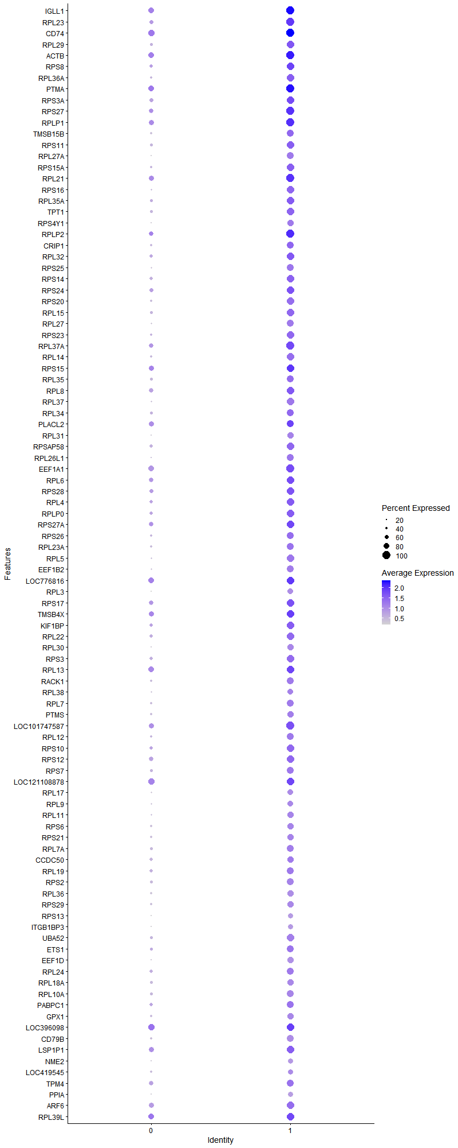
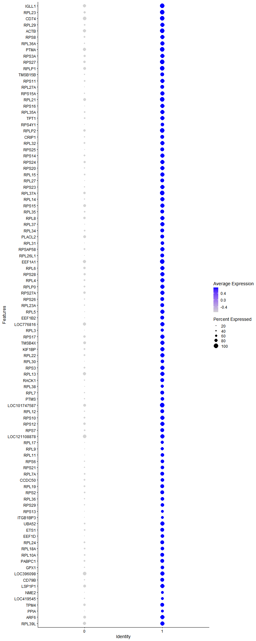
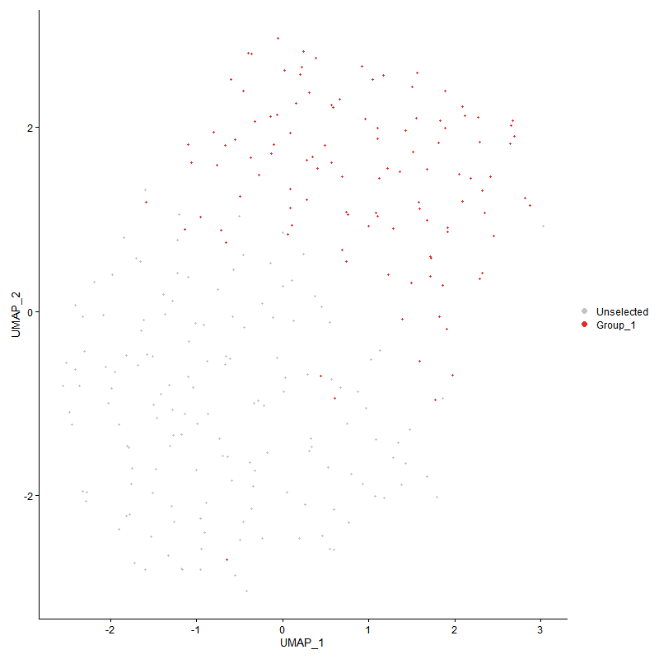
 | p_val | avg_log2FC | pct.1 | pct.2 | p_val_adj | cluster | gene | description
IGLL1 | 3.4673174614E-33 | 1.6930861635 | 1 | 0.762 | 5.2949404953E-29 | 1 | IGLL1 | IGLL1 - IGLL1 - immunoglobulin lambda like polypeptide 1 - The preB cell receptor is found on the surface of proB and preB cells, where it is involved in transduction of signals for cellular proliferation, differentiation from the proB cell to the preB cell stage, allelic exclusion at the Ig heavy chain gene locus, and promotion of Ig light chain gene rearrangements. The preB cell receptor is composed of a membrane-bound Ig mu heavy chain in association with a heterodimeric surrogate light chain. This gene encodes one of the surrogate light chain subunits and is a member of the immunoglobulin gene superfamily. This gene does not undergo rearrangement. Mutations in this gene can result in B cell deficiency and agammaglobulinemia, an autosomal recessive disease in which few or no gamma globulins or antibodies are made. Two transcript variants encoding different isoforms have been found for this gene. [provided by RefSeq, Jul 2008]
RPL23 | 7.0865578809E-33 | 1.5898308189 | 1 | 0.583 | 1.082188254E-28 | 1 | RPL23 | RPL23 - RPL23 - ribosomal protein L23 - Ribosomes, the organelles that catalyze protein synthesis, consist of a small 40S subunit and a large 60S subunit. Together these subunits are composed of 4 RNA species and approximately 80 structurally distinct proteins. This gene encodes a ribosomal protein that is a component of the 60S subunit. The protein belongs to the L14P family of ribosomal proteins. It is located in the cytoplasm. This gene has been referred to as rpL17 because the encoded protein shares amino acid identity with ribosomal protein L17 from Saccharomyces cerevisiae; however, its official symbol is RPL23. As is typical for genes encoding ribosomal proteins, there are multiple processed pseudogenes of this gene dispersed through the genome. [provided by RefSeq, Jul 2008]
CD74 | 2.2242703181E-29 | 1.5868232564 | 1 | 0.828 | 3.3966832028E-25 | 1 | CD74 | CD74 - CD74 - CD74 molecule - The protein encoded by this gene associates with class II major histocompatibility complex (MHC) and is an important chaperone that regulates antigen presentation for immune response. It also serves as cell surface receptor for the cytokine macrophage migration inhibitory factor (MIF) which, when bound to the encoded protein, initiates survival pathways and cell proliferation. This protein also interacts with amyloid precursor protein (APP) and suppresses the production of amyloid beta (Abeta). Multiple alternatively spliced transcript variants encoding different isoforms have been identified. [provided by RefSeq, Aug 2011]
RPL29 | 2.919760702E-28 | 1.5323331531 | 0.955 | 0.457 | 4.458766568E-24 | 1 | RPL29 | RPL29 - RPL29 - ribosomal protein L29 - Ribosomes, the organelles that catalyze protein synthesis, consist of a small 40S subunit and a large 60S subunit. Together these subunits are composed of 4 RNA species and approximately 80 structurally distinct proteins. This gene encodes a cytoplasmic ribosomal protein that is a component of the 60S subunit. The protein belongs to the L29E family of ribosomal proteins. The protein is also a peripheral membrane protein expressed on the cell surface that directly binds heparin. Although this gene was previously reported to map to 3q29-qter, it is believed that it is located at 3p21.3-p21.2. As is typical for genes encoding ribosomal proteins, there are multiple processed pseudogenes of this gene dispersed through the genome. [provided by RefSeq, Jul 2008]
ACTB | 4.6167408948E-28 | 1.5057007659 | 1 | 0.748 | 7.0502250205E-24 | 1 | ACTB | ACTB - ACTB - actin beta - This gene encodes one of six different actin proteins. Actins are highly conserved proteins that are involved in cell motility, structure, integrity, and intercellular signaling. The encoded protein is a major constituent of the contractile apparatus and one of the two nonmuscle cytoskeletal actins that are ubiquitously expressed. Mutations in this gene cause Baraitser-Winter syndrome 1, which is characterized by intellectual disability with a distinctive facial appearance in human patients. Numerous pseudogenes of this gene have been identified throughout the human genome. [provided by RefSeq, Aug 2017]
RPS8 | 7.8203126055E-27 | 1.4996664293 | 0.964 | 0.536 | 1.194239938E-22 | 1 | RPS8 | RPS8 - RPS8 - ribosomal protein S8 - Ribosomes, the organelles that catalyze protein synthesis, consist of a small 40S subunit and a large 60S subunit. Together these subunits are composed of 4 RNA species and approximately 80 structurally distinct proteins. This gene encodes a ribosomal protein that is a component of the 40S subunit. The protein belongs to the S8E family of ribosomal proteins. It is located in the cytoplasm. Increased expression of this gene in colorectal tumors and colon polyps compared to matched normal colonic mucosa has been observed. This gene is co-transcribed with the small nucleolar RNA genes U38A, U38B, U39, and U40, which are located in its fourth, fifth, first, and second introns, respectively. As is typical for genes encoding ribosomal proteins, there are multiple processed pseudogenes of this gene dispersed through the genome. [provided by RefSeq, Jul 2008]
RPL36A | 3.1491942572E-29 | 1.4993073457 | 0.964 | 0.411 | 4.8091345501E-25 | 1 | RPL36A | RPL36A - RPL36A - ribosomal protein L36a - Cytoplasmic ribosomes, organelles that catalyze protein synthesis, consist of a small 40S subunit and a large 60S subunit. Together these subunits are composed of 4 RNA species and approximately 80 structurally distinct proteins. This gene encodes a ribosomal protein that is a component of the 60S subunit. The protein, which shares sequence similarity with yeast ribosomal protein L44, belongs to the L44E (L36AE) family of ribosomal proteins. Although this gene has been referred to as ribosomal protein L44 (RPL44), its official name is ribosomal protein L36a (RPL36A). This gene and the human gene officially named ribosomal protein L36a-like (RPL36AL) encode nearly identical proteins; however, they are distinct genes. As is typical for genes encoding ribosomal proteins, there are multiple processed pseudogenes of this gene dispersed through the genome. Naturally occurring read-through transcription occurs between this locus and the heterogeneous nuclear ribonucleoprotein H2 (H') gene. [provided by RefSeq, Jan 2011]
PTMA | 1.3559051532E-28 | 1.4982252988 | 1 | 0.795 | 2.0706027595E-24 | 1 | PTMA | PTMA - PTMA - prothymosin alpha - Enables DNA-binding transcription factor binding activity. Involved in negative regulation of apoptotic process. Located in cytosol and nucleoplasm. [provided by Alliance of Genome Resources, Apr 2022]
RPS3A | 3.3050566835E-27 | 1.4953773924 | 0.955 | 0.556 | 5.0471520614E-23 | 1 | RPS3A | RPS3A - RPS3A - ribosomal protein S3A - Ribosomes, the organelles that catalyze protein synthesis, consist of a small 40S subunit and a large 60S subunit. Together these subunits are composed of 4 RNA species and approximately 80 structurally distinct proteins. This gene encodes a ribosomal protein that is a component of the 40S subunit. The protein belongs to the S3AE family of ribosomal proteins. It is located in the cytoplasm. Disruption of the gene encoding rat ribosomal protein S3a, also named v-fos transformation effector protein, in v-fos-transformed rat cells results in reversion of the transformed phenotype. This gene is co-transcribed with the U73A and U73B small nucleolar RNA genes, which are located in its fourth and third introns, respectively. As is typical for genes encoding ribosomal proteins, there are multiple processed pseudogenes of this gene dispersed through the genome. Alternatively spliced transcript variants have been found for this gene. [provided by RefSeq, May 2012]
RPS27 | 1.5885240072E-30 | 1.4923055058 | 1 | 0.675 | 2.4258350114E-26 | 1 | RPS27 | RPS27 - RPS27 - ribosomal protein S27 - Ribosomes, the organelles that catalyze protein synthesis, consist of a small 40S subunit and a large 60S subunit. Together these subunits are composed of four RNA species and approximately 80 structurally distinct proteins. This gene encodes a member of the S27e family of ribosomal proteins and component of the 40S subunit. The encoded protein contains a C4-type zinc finger domain that can bind to zinc and may bind to nucleic acid. Mutations in this gene have been identified in numerous melanoma patients and in at least one patient with Diamond-Blackfan anemia (DBA). Elevated expression of this gene has been observed in various human cancers. As is typical for genes encoding ribosomal proteins, there are multiple processed pseudogenes of this gene dispersed through the genome. [provided by RefSeq, Jul 2018]
RPLP1 | 8.4790809108E-29 | 1.4837568676 | 1 | 0.695 | 1.2948404459E-24 | 1 | RPLP1 | RPLP1 - RPLP1 - ribosomal protein lateral stalk subunit P1 - Ribosomes, the organelles that catalyze protein synthesis, consist of a small 40S subunit and a large 60S subunit. Together these subunits are composed of 4 RNA species and approximately 80 structurally distinct proteins. This gene encodes a ribosomal phosphoprotein that is a component of the 60S subunit. The protein, which is a functional equivalent of the E. coli L7/L12 ribosomal protein, belongs to the L12P family of ribosomal proteins. It plays an important role in the elongation step of protein synthesis. Unlike most ribosomal proteins, which are basic, the encoded protein is acidic. Its C-terminal end is nearly identical to the C-terminal ends of the ribosomal phosphoproteins P0 and P2. The P1 protein can interact with P0 and P2 to form a pentameric complex consisting of P1 and P2 dimers, and a P0 monomer. The protein is located in the cytoplasm. Two alternatively spliced transcript variants that encode different proteins have been observed. As is typical for genes encoding ribosomal proteins, there are multiple processed pseudogenes of this gene dispersed through the genome. [provided by RefSeq, Jul 2008]
TMSB15B | 1.8237353081E-25 | 1.4831826216 | 0.893 | 0.384 | 2.7850261891E-21 | 1 | TMSB15B | TMSB15B - TMSB15A - thymosin beta 15A - Predicted to enable actin monomer binding activity. Involved in positive regulation of cell migration. Predicted to be located in cytoskeleton. Predicted to be active in cytoplasm. [provided by Alliance of Genome Resources, Apr 2022]
RPS11 | 5.4916432379E-27 | 1.4799594177 | 0.955 | 0.437 | 8.3862883886E-23 | 1 | RPS11 | RPS11 - RPS11 - ribosomal protein S11 - Ribosomes, the organelles that catalyze protein synthesis, consist of a small 40S subunit and a large 60S subunit. Together these subunits are composed of 4 RNA species and approximately 80 structurally distinct proteins. This gene encodes a member of the S17P family of ribosomal proteins that is a component of the 40S subunit. This gene is co-transcribed with the small nucleolar RNA gene U35B, which is located in the third intron. As is typical for genes encoding ribosomal proteins, there are multiple processed pseudogenes of this gene dispersed throughout the genome. [provided by RefSeq, Jul 2012]
RPL27A | 1.1810755266E-30 | 1.4497136615 | 0.884 | 0.172 | 1.8036204366E-26 | 1 | RPL27A | RPL27A - RPL27A - ribosomal protein L27a - Ribosomes, the organelles that catalyze protein synthesis, consist of a small 40S subunit and a large 60S subunit. Together these subunits are composed of 4 RNA species and approximately 80 structurally distinct proteins. This gene encodes a ribosomal protein that is a component of the 60S subunit. The protein belongs to the L15P family of ribosomal proteins. It is located in the cytoplasm. Variable expression of this gene in colorectal cancers compared to adjacent normal tissues has been observed, although no correlation between the level of expression and the severity of the disease has been found. As is typical for genes encoding ribosomal proteins, multiple processed pseudogenes derived from this gene are dispersed through the genome. [provided by RefSeq, Jul 2008]
RPS15A | 4.7236057211E-26 | 1.4229523496 | 0.946 | 0.404 | 7.2134182966E-22 | 1 | RPS15A | RPS15A - RPS15A - ribosomal protein S15a - Ribosomes, the organelles that catalyze protein synthesis, consist of a small 40S subunit and a large 60S subunit. Together these subunits are composed of 4 RNA species and approximately 80 structurally distinct proteins. This gene encodes a ribosomal protein that is a component of the 40S subunit. The protein belongs to the S8P family of ribosomal proteins. It is located in the cytoplasm. As is typical for genes encoding ribosomal proteins, there are multiple processed pseudogenes of this gene dispersed through the genome. [provided by RefSeq, Jul 2008]
RPL21 | 2.6374118226E-31 | 1.419448531 | 1 | 0.728 | 4.0275915943E-27 | 1 | RPL21 | RPL21 - RPL21 - ribosomal protein L21 - Ribosomes, the organelles that catalyze protein synthesis, consist of a small 40S subunit and a large 60S subunit. Together these subunits are composed of 4 RNA species and approximately 80 structurally distinct proteins. This gene encodes a ribosomal protein that is a component of the 60S subunit. The protein belongs to the L21E family of ribosomal proteins. It is located in the cytoplasm. As is typical for genes encoding ribosomal proteins, there are multiple processed pseudogenes of this gene dispersed through the genome. [provided by RefSeq, Jul 2008]
RPS16 | 1.1522956148E-30 | 1.3961442023 | 0.964 | 0.338 | 1.7596706334E-26 | 1 | RPS16 | RPS16 - RPS16 - ribosomal protein S16 - Ribosomes, the organelles that catalyze protein synthesis, consist of a small 40S subunit and a large 60S subunit. Together these subunits are composed of 4 RNA species and approximately 80 structurally distinct proteins. This gene encodes a ribosomal protein that is a component of the 40S subunit. The protein belongs to the S9P family of ribosomal proteins. It is located in the cytoplasm. As is typical for genes encoding ribosomal proteins, there are multiple processed pseudogenes of this gene dispersed through the genome. [provided by RefSeq, Jul 2008]
RPL35A | 4.3465334533E-24 | 1.3902642024 | 0.938 | 0.464 | 6.6375912365E-20 | 1 | RPL35A | RPL35A - RPL35A - ribosomal protein L35a - Ribosomes, the organelles that catalyze protein synthesis, consist of a small 40S subunit and a large 60S subunit. Together these subunits are composed of 4 RNA species and approximately 80 structurally distinct proteins. This gene encodes a ribosomal protein that is a component of the 60S subunit. The protein belongs to the L35AE family of ribosomal proteins. It is located in the cytoplasm. The rat protein has been shown to bind to both initiator and elongator tRNAs, and thus, it is located at the P site, or P and A sites, of the ribosome. Although this gene was originally mapped to chromosome 18, it has been established that it is located at 3q29-qter. Alternative splicing results in multiple transcript variants. As is typical for genes encoding ribosomal proteins, there are multiple processed pseudogenes of this gene dispersed through the genome. [provided by RefSeq, Oct 2015]
TPT1 | 6.1468947315E-30 | 1.3832833983 | 0.973 | 0.477 | 9.3869229444E-26 | 1 | TPT1 | TPT1 - TPT1 - tumor protein, translationally-controlled 1 - This gene encodes a protein that is a regulator of cellular growth and proliferation. Its mRNA is highly structured and contains an oligopyrimidine tract (5'-TOP) in its 5' untranslated region that functions to repress its translation under quiescent conditions. The encoded protein is involved in a variety of cellular pathways, including apoptosis, protein synthesis and cell division. It binds to and stabilizes microtubules, and removal of this protein through phosphorylation is required for progression through mitotic and meiotic cell divisions. This gene is known to play a role in carcinogenesis, and is upregulated in some cancer cells. Alternative splicing results in multiple transcript variants encoding different isoforms. [provided by RefSeq, Aug 2017]
RPS4Y1 | 2.397939564E-28 | 1.3799109683 | 0.857 | 0.219 | 3.6618935082E-24 | 1 | RPS4Y1 | RPS4Y1 - RPS4Y1 - ribosomal protein S4 Y-linked 1 - Cytoplasmic ribosomes, organelles that catalyze protein synthesis, consist of a small 40S subunit and a large 60S subunit. Together these subunits are composed of 4 RNA species and approximately 80 structurally distinct proteins. This gene encodes ribosomal protein S4, a component of the 40S subunit. Ribosomal protein S4 is the only ribosomal protein known to be encoded by more than one gene, namely this gene and ribosomal protein S4, X-linked (RPS4X). The 2 isoforms encoded by these genes are not identical, but are functionally equivalent. Ribosomal protein S4 belongs to the S4E family of ribosomal proteins. It has been suggested that haploinsufficiency of the ribosomal protein S4 genes plays a role in Turner syndrome; however, this hypothesis is controversial. As is typical for genes encoding ribosomal proteins, there are multiple processed pseudogenes of this gene dispersed through the genome. [provided by RefSeq, Jul 2008]
RPLP2 | 7.1682720712E-28 | 1.3700388217 | 1 | 0.669 | 1.094666828E-23 | 1 | RPLP2 | RPLP2 - RPLP2 - ribosomal protein lateral stalk subunit P2 - Ribosomes, the organelles that catalyze protein synthesis, consist of a small 40S subunit and a large 60S subunit. Together these subunits are composed of 4 RNA species and approximately 80 structurally distinct proteins. This gene encodes a ribosomal phosphoprotein that is a component of the 60S subunit. The protein, which is a functional equivalent of the E. coli L7/L12 ribosomal protein, belongs to the L12P family of ribosomal proteins. It plays an important role in the elongation step of protein synthesis. Unlike most ribosomal proteins, which are basic, the encoded protein is acidic. Its C-terminal end is nearly identical to the C-terminal ends of the ribosomal phosphoproteins P0 and P1. The P2 protein can interact with P0 and P1 to form a pentameric complex consisting of P1 and P2 dimers, and a P0 monomer. The protein is located in the cytoplasm. As is typical for genes encoding ribosomal proteins, there are multiple processed pseudogenes of this gene dispersed through the genome. [provided by RefSeq, Jul 2008]
CRIP1 | 1.1011378095E-23 | 1.3628783146 | 0.911 | 0.417 | 1.6815475488E-19 | 1 | CRIP1 | CRIP1 - CRIP1 - cysteine rich protein 1 - Cysteine-rich intestinal protein (CRIP) belongs to the LIM/double zinc finger protein family, members of which include cysteine- and glycine-rich protein-1 (CSRP1; MIM 123876), rhombotin-1 (RBTN1; MIM 186921), rhombotin-2 (RBTN2; MIM 180385), and rhombotin-3 (RBTN3; MIM 180386). CRIP may be involved in intestinal zinc transport (Hempe and Cousins, 1991 [PubMed 1946385]).[supplied by OMIM, Mar 2008]
RPL32 | 3.7415459508E-24 | 1.3270049352 | 0.973 | 0.536 | 5.7137148215E-20 | 1 | RPL32 | RPL32 - RPL32 - ribosomal protein L32 - Ribosomes, the organelles that catalyze protein synthesis, consist of a small 40S subunit and a large 60S subunit. Together these subunits are composed of 4 RNA species and approximately 80 structurally distinct proteins. This gene encodes a ribosomal protein that is a component of the 60S subunit. The protein belongs to the L32E family of ribosomal proteins. It is located in the cytoplasm. Although some studies have mapped this gene to 3q13.3-q21, it is believed to map to 3p25-p24. As is typical for genes encoding ribosomal proteins, there are multiple processed pseudogenes of this gene dispersed through the genome. Alternatively spliced transcript variants encoding the same protein have been observed for this gene. [provided by RefSeq, Jul 2008]
RPS25 | 1.586964091E-26 | 1.3251477419 | 0.911 | 0.351 | 2.4234528634E-22 | 1 | RPS25 | RPS25 - RPS25 - ribosomal protein S25 - Ribosomes, the organelles that catalyze protein synthesis, consist of a small 40S subunit and a large 60S subunit. Together these subunits are composed of 4 RNA species and approximately 80 structurally distinct proteins. This gene encodes a ribosomal protein that is a component of the 40S subunit. The protein belongs to the S25E family of ribosomal proteins. It is located in the cytoplasm. As is typical for genes encoding ribosomal proteins, there are multiple processed pseudogenes of this gene dispersed through the genome. [provided by RefSeq, Jul 2008]
RPS14 | 9.8950808327E-26 | 1.3177332937 | 0.955 | 0.536 | 1.511077794E-21 | 1 | RPS14 | RPS14 - RPS14 - ribosomal protein S14 - Ribosomes, the organelles that catalyze protein synthesis, consist of a small 40S subunit and a large 60S subunit. Together these subunits are composed of 4 RNA species and approximately 80 structurally distinct proteins. This gene encodes a ribosomal protein that is a component of the 40S subunit. The protein belongs to the S11P family of ribosomal proteins. It is located in the cytoplasm. Transcript variants utilizing alternative transcription initiation sites have been described in the literature. As is typical for genes encoding ribosomal proteins, there are multiple processed pseudogenes of this gene dispersed through the genome. In Chinese hamster ovary cells, mutations in this gene can lead to resistance to emetine, a protein synthesis inhibitor. Multiple alternatively spliced transcript variants encoding the same protein have been found for this gene. [provided by RefSeq, Jul 2008]
RPS24 | 8.1050781035E-28 | 1.3141320655 | 0.964 | 0.603 | 1.2377264772E-23 | 1 | RPS24 | RPS24 - RPS24 - ribosomal protein S24 - Ribosomes, the organelles that catalyze protein synthesis, consist of a small 40S subunit and a large 60S subunit. Together these subunits are composed of 4 RNA species and approximately 80 structurally distinct proteins. This gene encodes a ribosomal protein that is a component of the 40S subunit. The protein belongs to the S24E family of ribosomal proteins. It is located in the cytoplasm. Multiple transcript variants encoding different isoforms have been found for this gene. As is typical for genes encoding ribosomal proteins, there are multiple processed pseudogenes of this gene dispersed through the genome. Mutations in this gene result in Diamond-Blackfan anemia. [provided by RefSeq, Nov 2008]
RPS20 | 1.5927771977E-26 | 1.3113955015 | 0.938 | 0.358 | 2.4323300586E-22 | 1 | RPS20 | RPS20 - RPS20 - ribosomal protein S20 - Ribosomes, the organelles that catalyze protein synthesis, consist of a small 40S subunit and a large 60S subunit. Together these subunits are composed of 4 RNA species and approximately 80 structurally distinct proteins. This gene encodes a ribosomal protein that is a component of the 40S subunit. The protein belongs to the S10P family of ribosomal proteins. It is located in the cytoplasm. This gene is co-transcribed with the small nucleolar RNA gene U54, which is located in its second intron. As is typical for genes encoding ribosomal proteins, there are multiple processed pseudogenes of this gene dispersed through the genome. Two transcript variants encoding different isoforms have been identified for this gene. [provided by RefSeq, Apr 2009]
RPL15 | 5.4114783194E-30 | 1.3060137714 | 0.973 | 0.45 | 8.2638685416E-26 | 1 | RPL15 | RPL15 - RPL15 - ribosomal protein L15 - Ribosomes, the organelles that catalyze protein synthesis, consist of a small 40S subunit and a large 60S subunit. Together these subunits are composed of four RNA species and approximately 80 structurally distinct proteins. This gene encodes a member of the L15E family of ribosomal proteins and a component of the 60S subunit. This gene shares sequence similarity with the yeast ribosomal protein YL10 gene. Elevated expression of this gene has been observed in esophageal tumors and gastric cancer tissues, and deletion of this gene has been observed in a Diamond-Blackfan anemia (DBA) patient. As is typical for genes encoding ribosomal proteins, there are multiple processed pseudogenes of this gene dispersed through the genome. [provided by RefSeq, Mar 2017]
RPL27 | 4.9414543882E-27 | 1.2864833127 | 0.884 | 0.318 | 7.5460949962E-23 | 1 | RPL27 | RPL27 - RPL27 - ribosomal protein L27 - Ribosomes, the organelles that catalyze protein synthesis, consist of a small 40S subunit and a large 60S subunit. Together these subunits are composed of four RNA species and approximately 80 structurally distinct proteins. This gene encodes a member of the L27e family of ribosomal proteins and a component of the 60S subunit. A splice site mutation in this gene has been identified in a Diamond-Blackfan anemia (DBA) patient. As is typical for genes encoding ribosomal proteins, there are multiple processed pseudogenes of this gene dispersed through the genome. [provided by RefSeq, Mar 2017]
RPS23 | 7.1289033977E-27 | 1.2796381135 | 0.955 | 0.411 | 1.0886548379E-22 | 1 | RPS23 | RPS23 - RPS23 - ribosomal protein S23 - Ribosomes, the organelles that catalyze protein synthesis, consist of a small 40S subunit and a large 60S subunit. Together these subunits are composed of 4 RNA species and approximately 80 structurally distinct proteins. This gene encodes a ribosomal protein that is a component of the 40S subunit. The protein belongs to the S12P family of ribosomal proteins. It is located in the cytoplasm. The protein shares significant amino acid similarity with S. cerevisiae ribosomal protein S28. As is typical for genes encoding ribosomal proteins, there are multiple processed pseudogenes of this gene dispersed through the genome. [provided by RefSeq, Jul 2008]
RPL37A | 2.6180598306E-26 | 1.2769359772 | 1 | 0.649 | 3.9980391673E-22 | 1 | RPL37A | RPL37A - RPL37A - ribosomal protein L37a - Ribosomes, the organelles that catalyze protein synthesis, consist of a small 40S subunit and a large 60S subunit. Together these subunits are composed of 4 RNA species and approximately 80 structurally distinct proteins. This gene encodes a ribosomal protein that is a component of the 60S subunit. The protein belongs to the L37AE family of ribosomal proteins. It is located in the cytoplasm. The protein contains a C4-type zinc finger-like domain. As is typical for genes encoding ribosomal proteins, there are multiple processed pseudogenes of this gene dispersed through the genome. [provided by RefSeq, Jul 2008]
RPL14 | 4.6363224032E-28 | 1.2693965538 | 0.964 | 0.417 | 7.0801279419E-24 | 1 | RPL14 | RPL14 - RPL14 - ribosomal protein L14 - Ribosomes, the organelles that catalyze protein synthesis, consist of a small 40S subunit and a large 60S subunit. Together these subunits are composed of 4 RNA species and approximately 80 structurally distinct proteins. This gene encodes a ribosomal protein that is a component of the 60S subunit. The protein belongs to the L14E family of ribosomal proteins. It contains a basic region-leucine zipper (bZIP)-like domain. The protein is located in the cytoplasm. This gene contains a trinucleotide (GCT) repeat tract whose length is highly polymorphic; these triplet repeats result in a stretch of alanine residues in the encoded protein. Transcript variants utilizing alternative polyA signals and alternative 5'-terminal exons exist but all encode the same protein. As is typical for genes encoding ribosomal proteins, there are multiple processed pseudogenes of this gene dispersed through the genome. [provided by RefSeq, Jul 2008]
RPS15 | 2.2946137643E-24 | 1.2601652581 | 0.982 | 0.735 | 3.5041046794E-20 | 1 | RPS15 | RPS15 - RPS15 - ribosomal protein S15 - Ribosomes, the organelles that catalyze protein synthesis, consist of a small 40S subunit and a large 60S subunit. Together these subunits are composed of 4 RNA species and approximately 80 structurally distinct proteins. This gene encodes a ribosomal protein that is a component of the 40S subunit. The protein belongs to the S19P family of ribosomal proteins. It is located in the cytoplasm. This gene has been found to be activated in various tumors, such as insulinomas, esophageal cancers, and colon cancers. As is typical for genes encoding ribosomal proteins, there are multiple processed pseudogenes of this gene dispersed through the genome. Alternative splicing results in multiple transcript variants. [provided by RefSeq, Apr 2015]
RPL35 | 1.885975143E-23 | 1.2583152822 | 0.902 | 0.437 | 2.8800726409E-19 | 1 | RPL35 | RPL35 - RPL35 - ribosomal protein L35 - Ribosomes, the organelles that catalyze protein synthesis, consist of a small 40S subunit and a large 60S subunit. Together these subunits are composed of 4 RNA species and approximately 80 structurally distinct proteins. This gene encodes a ribosomal protein that is a component of the 60S subunit. The protein belongs to the L29P family of ribosomal proteins. It is located in the cytoplasm. As is typical for genes encoding ribosomal proteins, there are multiple processed pseudogenes of this gene dispersed through the genome. [provided by RefSeq, Jul 2008]
RPL8 | 3.8693757005E-26 | 1.2572473455 | 0.982 | 0.616 | 5.9089236322E-22 | 1 | RPL8 | RPL8 - RPL8 - ribosomal protein L8 - Ribosomes, the organelles that catalyze protein synthesis, consist of a small 40S subunit and a large 60S subunit. Together these subunits are composed of 4 RNA species and approximately 80 structurally distinct proteins. This gene encodes a ribosomal protein that is a component of the 60S subunit. The protein belongs to the L2P family of ribosomal proteins. It is located in the cytoplasm. In rat, the protein associates with the 5.8S rRNA, very likely participates in the binding of aminoacyl-tRNA, and is a constituent of the elongation factor 2-binding site at the ribosomal subunit interface. Alternatively spliced transcript variants encoding the same protein exist. As is typical for genes encoding ribosomal proteins, there are multiple processed pseudogenes of this gene dispersed through the genome. [provided by RefSeq, Jul 2008]
RPL37 | 2.1625658276E-30 | 1.2566900924 | 0.955 | 0.344 | 3.3024542754E-26 | 1 | RPL37 | RPL37 - RPL37 - ribosomal protein L37 - Ribosomes, the organelles that catalyze protein synthesis, consist of a small 40S subunit and a large 60S subunit. Together these subunits are composed of 4 RNA species and approximately 80 structurally distinct proteins. This gene encodes a ribosomal protein that is a component of the 60S subunit. The protein belongs to the L37E family of ribosomal proteins. It is located in the cytoplasm. The protein contains a C2C2-type zinc finger-like motif. As is typical for genes encoding ribosomal proteins, there are multiple processed pseudogenes of this gene dispersed through the genome. [provided by RefSeq, Jul 2008]
RPL34 | 4.0895015957E-21 | 1.2534800598 | 0.902 | 0.424 | 6.2450778867E-17 | 1 | RPL34 | RPL34 - RPL34 - ribosomal protein L34 - Ribosomes, the organelles that catalyze protein synthesis, consist of a small 40S subunit and a large 60S subunit. Together these subunits are composed of 4 RNA species and approximately 80 structurally distinct proteins. This gene encodes a ribosomal protein that is a component of the 60S subunit. The protein belongs to the L34E family of ribosomal proteins. It is located in the cytoplasm. This gene originally was thought to be located at 17q21, but it has been mapped to 4q. Overexpression of this gene has been observed in some cancer cells. Alternative splicing results in multiple transcript variants, all encoding the same isoform. As is typical for genes encoding ribosomal proteins, there are multiple processed pseudogenes of this gene dispersed through the genome. [provided by RefSeq, Feb 2016]
PLACL2 | 1.2607797836E-18 | 1.2379127717 | 0.929 | 0.715 | 1.9253368076E-14 | 1 | PLACL2 | PLACL2 - PLACL2 - PLAC8 like 2 -
RPL31 | 3.7801780743E-25 | 1.2363627078 | 0.857 | 0.265 | 5.7727099372E-21 | 1 | RPL31 | RPL31 - RPL31 - ribosomal protein L31 - Ribosomes, the organelles that catalyze protein synthesis, consist of a small 40S subunit and a large 60S subunit. Together these subunits are composed of 4 RNA species and approximately 80 structurally distinct proteins. This gene encodes a ribosomal protein that is a component of the 60S subunit. The protein belongs to the L31E family of ribosomal proteins. It is located in the cytoplasm. Higher levels of expression of this gene in familial adenomatous polyps compared to matched normal tissues have been observed. As is typical for genes encoding ribosomal proteins, there are multiple processed pseudogenes of this gene dispersed through the genome. Alternatively spliced transcript variants encoding distinct isoforms have been found for this gene. [provided by RefSeq, Jul 2008]
RPSAP58 | 1.5730479279E-26 | 1.2361708885 | 0.938 | 0.49 | 2.4022014907E-22 | 1 | RPSAP58 | RPSAP58 - RPSA2 - ribosomal protein SA 2 -
RPL26L1 | 3.6589550915E-23 | 1.2357486569 | 0.875 | 0.278 | 5.5875903203E-19 | 1 | RPL26L1 | RPL26L1 - RPL26L1 - ribosomal protein L26 like 1 - This gene encodes a protein that shares high sequence similarity with ribosomal protein L26. Alternative splicing results in multiple transcript variants encoding the same protein. [provided by RefSeq, Dec 2015]
EEF1A1 | 1.1822395101E-24 | 1.2351296073 | 1 | 0.742 | 1.8053979558E-20 | 1 | EEF1A1 | EEF1A1 - EEF1A1 - eukaryotic translation elongation factor 1 alpha 1 - This gene encodes an isoform of the alpha subunit of the elongation factor-1 complex, which is responsible for the enzymatic delivery of aminoacyl tRNAs to the ribosome. This isoform (alpha 1) is expressed in brain, placenta, lung, liver, kidney, and pancreas, and the other isoform (alpha 2) is expressed in brain, heart and skeletal muscle. This isoform is identified as an autoantigen in 66% of patients with Felty syndrome. This gene has been found to have multiple copies on many chromosomes, some of which, if not all, represent different pseudogenes. [provided by RefSeq, Jul 2008]
RPL6 | 5.6055014404E-23 | 1.2335022406 | 0.955 | 0.669 | 8.5601612497E-19 | 1 | RPL6 | RPL6 - RPL6 - ribosomal protein L6 - This gene encodes a protein component of the 60S ribosomal subunit. This protein can bind specifically to domain C of the tax-responsive enhancer element of human T-cell leukemia virus type 1, and may participate in tax-mediated transactivation of transcription. As is typical for genes encoding ribosomal proteins, there are multiple processed pseudogenes of this gene dispersed throughout the genome. Alternative splicing results in multiple transcript variants. [provided by RefSeq, Feb 2016]
RPS28 | 9.1915188736E-26 | 1.2325041379 | 0.991 | 0.589 | 1.4036368472E-21 | 1 | RPS28 | RPS28 - RPS28 - ribosomal protein S28 - Ribosomes, the organelles that catalyze protein synthesis, consist of a small 40S subunit and a large 60S subunit. Together these subunits are composed of 4 RNA species and approximately 80 structurally distinct proteins. This gene encodes a ribosomal protein that is a component of the 40S subunit. The protein belongs to the S28E family of ribosomal proteins. It is located in the cytoplasm. As is typical for genes encoding ribosomal proteins, there are multiple processed pseudogenes of this gene dispersed through the genome. [provided by RefSeq, Jul 2008]
RPL4 | 3.4835615992E-25 | 1.2319898998 | 0.991 | 0.49 | 5.3197469182E-21 | 1 | RPL4 | RPL4 - RPL4 - ribosomal protein L4 - Ribosomes, the organelles that catalyze protein synthesis, consist of a small 40S subunit and a large 60S subunit. Together these subunits are composed of 4 RNA species and approximately 80 structurally distinct proteins. This gene encodes a ribosomal protein that is a component of the 60S subunit. The protein belongs to the L4E family of ribosomal proteins. It is located in the cytoplasm. As is typical for genes encoding ribosomal proteins, there are multiple processed pseudogenes of this gene dispersed through the genome. [provided by RefSeq, Jul 2008]
RPLP0 | 2.7468329813E-23 | 1.231909028 | 0.964 | 0.49 | 4.1946886457E-19 | 1 | RPLP0 | RPLP0 - RPLP0 - ribosomal protein lateral stalk subunit P0 - Ribosomes, the organelles that catalyze protein synthesis, consist of a small 40S subunit and a large 60S subunit. Together these subunits are composed of 4 RNA species and approximately 80 structurally distinct proteins. This gene encodes a ribosomal protein that is a component of the 60S subunit. The protein, which is the functional equivalent of the E. coli L10 ribosomal protein, belongs to the L10P family of ribosomal proteins. It is a neutral phosphoprotein with a C-terminal end that is nearly identical to the C-terminal ends of the acidic ribosomal phosphoproteins P1 and P2. The P0 protein can interact with P1 and P2 to form a pentameric complex consisting of P1 and P2 dimers, and a P0 monomer. The protein is located in the cytoplasm. Transcript variants derived from alternative splicing exist; they encode the same protein. As is typical for genes encoding ribosomal proteins, there are multiple processed pseudogenes of this gene dispersed through the genome. [provided by RefSeq, Jul 2008]
RPS27A | 2.6396644751E-25 | 1.2296844228 | 0.991 | 0.675 | 4.0310316199E-21 | 1 | RPS27A | RPS27A - RPS27A - ribosomal protein S27a - Ubiquitin, a highly conserved protein that has a major role in targeting cellular proteins for degradation by the 26S proteosome, is synthesized as a precursor protein consisting of either polyubiquitin chains or a single ubiquitin fused to an unrelated protein. This gene encodes a fusion protein consisting of ubiquitin at the N terminus and ribosomal protein S27a at the C terminus. When expressed in yeast, the protein is post-translationally processed, generating free ubiquitin monomer and ribosomal protein S27a. Ribosomal protein S27a is a component of the 40S subunit of the ribosome and belongs to the S27AE family of ribosomal proteins. It contains C4-type zinc finger domains and is located in the cytoplasm. Pseudogenes derived from this gene are present in the genome. As with ribosomal protein S27a, ribosomal protein L40 is also synthesized as a fusion protein with ubiquitin; similarly, ribosomal protein S30 is synthesized as a fusion protein with the ubiquitin-like protein fubi. Multiple alternatively spliced transcript variants that encode the same proteins have been identified.[provided by RefSeq, Sep 2008]
RPS26 | 8.0437861242E-24 | 1.2250208421 | 0.911 | 0.417 | 1.228366579E-19 | 1 | RPS26 | RPS26 - RPS26 - ribosomal protein S26 - This gene encodes a ribosomal protein that is a component of the 40S subunit. The protein belongs to the S26E family of ribosomal proteins. Mutations in this gene are found in Diamond-Blackfan anemia 10. There are multiple processed pseudogenes of this gene dispersed through the genome. [provided by RefSeq, Aug 2017]
RPL23A | 3.2529522332E-21 | 1.2214116684 | 0.911 | 0.384 | 4.9675833553E-17 | 1 | RPL23A | RPL23A - RPL23A - ribosomal protein L23a - Ribosomes, the organelles that catalyze protein synthesis, consist of a small 40S subunit and a large 60S subunit. Together these subunits are composed of 4 RNA species and approximately 80 structurally distinct proteins. This gene encodes a ribosomal protein that is a component of the 60S subunit. The protein belongs to the L23P family of ribosomal proteins. It is located in the cytoplasm. The protein may be one of the target molecules involved in mediating growth inhibition by interferon. In yeast, the corresponding protein binds to a specific site on the 26S rRNA. This gene is co-transcribed with the U42A, U42B, U101A, and U101B small nucleolar RNA genes, which are located in its third, first, second, and fourth introns, respectively. As is typical for genes encoding ribosomal proteins, there are multiple processed pseudogenes of this gene dispersed through the genome. [provided by RefSeq, Jul 2008]
RPL5 | 3.2081673452E-27 | 1.2153211262 | 0.955 | 0.338 | 4.8991923529E-23 | 1 | RPL5 | RPL5 - RPL5 - ribosomal protein L5 - Ribosomes, the organelles that catalyze protein synthesis, consist of a small 40S subunit and a large 60S subunit. Together these subunits are composed of four RNA species and approximately 80 structurally distinct proteins. This gene encodes a member of the L18P family of ribosomal proteins and component of the 60S subunit. The encoded protein binds 5S rRNA to form a stable complex called the 5S ribonucleoprotein particle (RNP), which is necessary for the transport of nonribosome-associated cytoplasmic 5S rRNA to the nucleolus for assembly into ribosomes. The encoded protein may also function to inhibit tumorigenesis through the activation of downstream tumor suppressors and the downregulation of oncoprotein expression. Mutations in this gene have been identified in patients with Diamond-Blackfan Anemia (DBA). This gene is co-transcribed with the small nucleolar RNA gene U21, which is located in its fifth intron. As is typical for genes encoding ribosomal proteins, there are multiple processed pseudogenes of this gene dispersed throughout the genome. [provided by RefSeq, Mar 2017]
EEF1B2 | 1.0204808825E-24 | 1.1900417178 | 0.893 | 0.331 | 1.5583763556E-20 | 1 | EEF1B2 | EEF1B2 - EEF1B2 - eukaryotic translation elongation factor 1 beta 2 - This gene encodes a translation elongation factor. The protein is a guanine nucleotide exchange factor involved in the transfer of aminoacylated tRNAs to the ribosome. Alternative splicing results in three transcript variants which differ only in the 5' UTR. [provided by RefSeq, Jul 2008]
LOC776816 | 2.6988497339E-26 | 1.1763719638 | 0.991 | 0.775 | 4.1214134287E-22 | 1 | LOC776816 | LOC776816
RPL3 | 6.2968346475E-26 | 1.1695827066 | 0.795 | 0.199 | 9.6158961903E-22 | 1 | RPL3 | RPL3 - RPL3 - ribosomal protein L3 - Ribosomes, the complexes that catalyze protein synthesis, consist of a small 40S subunit and a large 60S subunit. Together these subunits are composed of 4 RNA species and approximately 80 structurally distinct proteins. This gene encodes a ribosomal protein that is a component of the 60S subunit. The protein belongs to the L3P family of ribosomal proteins and it is located in the cytoplasm. The protein can bind to the HIV-1 TAR mRNA, and it has been suggested that the protein contributes to tat-mediated transactivation. This gene is co-transcribed with several small nucleolar RNA genes, which are located in several of this gene's introns. Alternate transcriptional splice variants, encoding different isoforms, have been characterized. As is typical for genes encoding ribosomal proteins, there are multiple processed pseudogenes of this gene dispersed through the genome. [provided by RefSeq, Jul 2008]
RPS17 | 2.2896349152E-21 | 1.1672498529 | 0.964 | 0.642 | 3.4965014791E-17 | 1 | RPS17 | RPS17 - RPS17 - ribosomal protein S17 - Ribosomes, the organelles that catalyze protein synthesis, consist of a small 40S subunit and a large 60S subunit. Together these subunits are composed of four RNA species and approximately 80 structurally distinct proteins. This gene encodes a ribosomal protein that is a component of the 40S subunit. The protein belongs to the S17E family of ribosomal proteins and is located in the cytoplasm. Mutations in this gene cause Diamond-Blackfan anemia 4. Alternative splicing of this gene results in multiple transcript variants. As is typical for genes encoding ribosomal proteins, there are multiple processed pseudogenes of this gene dispersed through the genome. [provided by RefSeq, Apr 2014]
TMSB4X | 2.9791312147E-23 | 1.1648757039 | 0.991 | 0.682 | 4.549431278E-19 | 1 | TMSB4X | TMSB4X - TMSB4X - thymosin beta 4 X-linked - This gene encodes an actin sequestering protein which plays a role in regulation of actin polymerization. The protein is also involved in cell proliferation, migration, and differentiation. This gene escapes X inactivation and has a homolog on chromosome Y. [provided by RefSeq, Jul 2008]
KIF1BP | 2.5594512389E-23 | 1.1636502189 | 0.982 | 0.536 | 3.9085379869E-19 | 1 | KIF1BP | KIF1BP - KIFBP - kinesin family binding protein - This gene encodes a kinesin family member 1 binding protein that is characterized by two tetratrico peptide repeats. The encoded protein localizes to the mitochondria and may be involved in regulating transport of the mitochondria. Mutations in this gene are associated with Goldberg-Shprintzen megacolon syndrome. [provided by RefSeq, Mar 2010]
RPL22 | 1.2770770115E-25 | 1.1440199304 | 0.973 | 0.523 | 1.9502243043E-21 | 1 | RPL22 | RPL22 - RPL22 - ribosomal protein L22 - Ribosomes, the organelles that catalyze protein synthesis, consist of a small 40S subunit and a large 60S subunit. Together these subunits are composed of 4 RNA species and approximately 80 structurally distinct proteins. This gene encodes a cytoplasmic ribosomal protein that is a component of the 60S subunit. The protein belongs to the L22E family of ribosomal proteins. Its initiating methionine residue is post-translationally removed. The protein can bind specifically to Epstein-Barr virus-encoded RNAs (EBERs) 1 and 2. The mouse protein has been shown to be capable of binding to heparin. Transcript variants utilizing alternative polyA signals exist. As is typical for genes encoding ribosomal proteins, there are multiple processed pseudogenes of this gene dispersed through the genome. It was previously thought that this gene mapped to 3q26 and that it was fused to the acute myeloid leukemia 1 (AML1) gene located at 21q22 in some therapy-related myelodysplastic syndrome patients with 3;21 translocations; however, these fusions actually involve a ribosomal protein L22 pseudogene located at 3q26, and this gene actually maps to 1p36.3-p36.2. [provided by RefSeq, Jul 2008]
RPL30 | 4.1886807021E-23 | 1.1352740102 | 0.848 | 0.285 | 6.3965343001E-19 | 1 | RPL30 | RPL30 - RPL30 - ribosomal protein L30 - Ribosomes, the organelles that catalyze protein synthesis, consist of a small 40S subunit and a large 60S subunit. Together these subunits are composed of 4 RNA species and approximately 80 structurally distinct proteins. This gene encodes a ribosomal protein that is a component of the 60S subunit. The protein belongs to the L30E family of ribosomal proteins. It is located in the cytoplasm. This gene is co-transcribed with the U72 small nucleolar RNA gene, which is located in its fourth intron. As is typical for genes encoding ribosomal proteins, there are multiple processed pseudogenes of this gene dispersed through the genome. [provided by RefSeq, Jul 2008]
RPS3 | 4.2480930676E-25 | 1.1279807496 | 0.973 | 0.523 | 6.4872629236E-21 | 1 | RPS3 | RPS3 - RPS3 - ribosomal protein S3 - Ribosomes, the organelles that catalyze protein synthesis, consist of a small 40S subunit and a large 60S subunit. Together these subunits are composed of 4 RNA species and approximately 80 structurally distinct proteins. This gene encodes a ribosomal protein that is a component of the 40S subunit, where it forms part of the domain where translation is initiated. The protein belongs to the S3P family of ribosomal proteins. Studies of the mouse and rat proteins have demonstrated that the protein has an extraribosomal role as an endonuclease involved in the repair of UV-induced DNA damage. The protein appears to be located in both the cytoplasm and nucleus but not in the nucleolus. Higher levels of expression of this gene in colon adenocarcinomas and adenomatous polyps compared to adjacent normal colonic mucosa have been observed. This gene is co-transcribed with the small nucleolar RNA genes U15A and U15B, which are located in its first and fifth introns, respectively. As is typical for genes encoding ribosomal proteins, there are multiple processed pseudogenes of this gene dispersed through the genome. Multiple alternatively spliced transcript variants encoding different isoforms have been found for this gene. [provided by RefSeq, May 2012]
RPL13 | 4.6383130699E-24 | 1.1123673819 | 0.991 | 0.748 | 7.0831678891E-20 | 1 | RPL13 | RPL13 - RPL13 - ribosomal protein L13 - Ribosomes, the organelles that catalyze protein synthesis, consist of a small 40S subunit and a large 60S subunit. Together these subunits are composed of 4 RNA species and approximately 80 structurally distinct proteins. This gene encodes a ribosomal protein that is a component of the 60S subunit. The protein belongs to the L13E family of ribosomal proteins. It is located in the cytoplasm. This gene is expressed at significantly higher levels in benign breast lesions than in breast carcinomas. Alternatively spliced transcript variants encoding distinct isoforms have been found for this gene. As is typical for genes encoding ribosomal proteins, there are multiple processed pseudogenes of this gene dispersed through the genome. [provided by RefSeq, Jul 2011]
RACK1 | 1.7216777459E-21 | 1.111337277 | 0.893 | 0.404 | 2.6291740858E-17 | 1 | RACK1 | RACK1 - RACK1 - receptor for activated C kinase 1 - Enables several functions, including cyclin binding activity; enzyme binding activity; and protein domain specific binding activity. Involved in several processes, including positive regulation of hydrolase activity; regulation of cellular protein metabolic process; and regulation of signal transduction. Located in several cellular components, including midbody; perinuclear region of cytoplasm; and phagocytic cup. Part of IRE1-RACK1-PP2A complex. [provided by Alliance of Genome Resources, Apr 2022]
RPL38 | 3.237736592E-19 | 1.104239501 | 0.795 | 0.351 | 4.9443475496E-15 | 1 | RPL38 | RPL38 - RPL38 - ribosomal protein L38 - Ribosomes, the organelles that catalyze protein synthesis, consist of a small 40S subunit and a large 60S subunit. Together these subunits are composed of 4 RNA species and approximately 80 structurally distinct proteins. This gene encodes a ribosomal protein that is a component of the 60S subunit. The protein belongs to the L38E family of ribosomal proteins. It is located in the cytoplasm. Alternative splice variants have been identified, both encoding the same protein. As is typical for genes encoding ribosomal proteins, there are multiple processed pseudogenes of this gene dispersed through the genome, including one located in the promoter region of the type 1 angiotensin II receptor gene. [provided by RefSeq, Jul 2008]
RPL7 | 1.5380471922E-23 | 1.1024270698 | 0.92 | 0.364 | 2.3487518672E-19 | 1 | RPL7 | RPL7 - RPL7 - ribosomal protein L7 - Ribosomes, the organelles that catalyze protein synthesis, consist of a small 40S subunit and a large 60S subunit. Together these subunits are composed of 4 RNA species and approximately 80 structurally distinct proteins. This gene encodes a ribosomal protein that is a component of the 60S subunit. The protein belongs to the L30P family of ribosomal proteins. It contains an N-terminal basic region-leucine zipper (BZIP)-like domain and the RNP consensus submotif RNP2. In vitro the BZIP-like domain mediates homodimerization and stable binding to DNA and RNA, with a preference for 28S rRNA and mRNA. The protein can inhibit cell-free translation of mRNAs, suggesting that it plays a regulatory role in the translation apparatus. It is located in the cytoplasm. The protein has been shown to be an autoantigen in patients with systemic autoimmune diseases, such as systemic lupus erythematosus. As is typical for genes encoding ribosomal proteins, there are multiple processed pseudogenes of this gene dispersed through the genome. [provided by RefSeq, Jul 2008]
PTMS | 2.7378047233E-17 | 1.0611923013 | 0.821 | 0.364 | 4.1809015929E-13 | 1 | PTMS | PTMS - PTMS - parathymosin - Predicted to be involved in DNA replication. Predicted to be located in nucleus. [provided by Alliance of Genome Resources, Apr 2022]
LOC101747587 | 5.8783582683E-22 | 1.0483300383 | 1 | 0.709 | 8.9768409116E-18 | 1 | LOC101747587 | LOC101747587 - LOC101747587 - polyubiquitin-C-like -
RPL12 | 1.1164403533E-17 | 1.0214874481 | 0.893 | 0.411 | 1.7049160635E-13 | 1 | RPL12 | RPL12 - RPL12 - ribosomal protein L12 - Ribosomes, the organelles that catalyze protein synthesis, consist of a small 40S subunit and a large 60S subunit. Together these subunits are composed of 4 RNA species and approximately 80 structurally distinct proteins. This gene encodes a ribosomal protein that is a component of the 60S subunit. The protein belongs to the L11P family of ribosomal proteins. It is located in the cytoplasm. The protein binds directly to the 26S rRNA. This gene is co-transcribed with the U65 snoRNA, which is located in its fourth intron. As is typical for genes encoding ribosomal proteins, there are multiple processed pseudogenes of this gene dispersed through the genome. [provided by RefSeq, Jul 2008]
RPS10 | 2.5199182718E-21 | 1.016012318 | 0.982 | 0.517 | 3.8481671929E-17 | 1 | RPS10 | RPS10 - RPS10 - ribosomal protein S10 - Ribosomes, the organelles that catalyze protein synthesis, consist of a small 40S subunit and a large 60S subunit. Together these subunits are composed of 4 RNA species and approximately 80 structurally distinct proteins. This gene encodes a ribosomal protein that is a component of the 40S subunit. The protein belongs to the S10E family of ribosomal proteins. It is located in the cytoplasm. Variable expression of this gene in colorectal cancers compared to adjacent normal tissues has been observed, although no correlation between the level of expression and the severity of the disease has been found. As is typical for genes encoding ribosomal proteins, there are multiple processed pseudogenes of this gene dispersed through the genome. Alternate splicing results in multiple transcript variants that encode the same protein. Naturally occurring read-through transcription occurs between this locus and the neighboring locus NUDT3 (nudix (nucleoside diphosphate linked moiety X)-type motif 3).[provided by RefSeq, Feb 2011]
RPS12 | 1.8086151392E-19 | 1.0130590006 | 0.938 | 0.623 | 2.7619361791E-15 | 1 | RPS12 | RPS12 - RPS12 - ribosomal protein S12 - Ribosomes, the organelles that catalyze protein synthesis, consist of a small 40S subunit and a large 60S subunit. Together these subunits are composed of 4 RNA species and approximately 80 structurally distinct proteins. This gene encodes a ribosomal protein that is a component of the 40S subunit. The protein belongs to the S12E family of ribosomal proteins. It is located in the cytoplasm. Increased expression of this gene in colorectal cancers compared to matched normal colonic mucosa has been observed. As is typical for genes encoding ribosomal proteins, there are multiple processed pseudogenes of this gene dispersed through the genome. [provided by RefSeq, Jul 2008]
RPS7 | 2.1442848627E-19 | 1.0105988218 | 0.893 | 0.477 | 3.2745374138E-15 | 1 | RPS7 | RPS7 - RPS7 - ribosomal protein S7 - Ribosomes, the organelles that catalyze protein synthesis, consist of a small 40S subunit and a large 60S subunit. Together these subunits are composed of 4 RNA species and approximately 80 structurally distinct proteins. This gene encodes a ribosomal protein that is a component of the 40S subunit. The protein belongs to the S7E family of ribosomal proteins. It is located in the cytoplasm. As is typical for genes encoding ribosomal proteins, there are multiple processed pseudogenes of this gene dispersed through the genome. [provided by RefSeq, Jul 2008]
LOC121108878 | 1.4575987676E-23 | 1.0089079313 | 0.973 | 0.808 | 2.225899078E-19 | 1 | LOC121108878 | LOC121108878 - LOC121108878 - B-cell antigen receptor complex-associated protein alpha chain-like -
RPL17 | 5.1631522172E-18 | 1.0045713775 | 0.777 | 0.305 | 7.8846497508E-14 | 1 | RPL17 | RPL17 - RPL23 - ribosomal protein L23 - Ribosomes, the organelles that catalyze protein synthesis, consist of a small 40S subunit and a large 60S subunit. Together these subunits are composed of 4 RNA species and approximately 80 structurally distinct proteins. This gene encodes a ribosomal protein that is a component of the 60S subunit. The protein belongs to the L14P family of ribosomal proteins. It is located in the cytoplasm. This gene has been referred to as rpL17 because the encoded protein shares amino acid identity with ribosomal protein L17 from Saccharomyces cerevisiae; however, its official symbol is RPL23. As is typical for genes encoding ribosomal proteins, there are multiple processed pseudogenes of this gene dispersed through the genome. [provided by RefSeq, Jul 2008]
RPL9 | 1.2559623703E-14 | 1.0008373242 | 0.75 | 0.351 | 1.9179801356E-10 | 1 | RPL9 | RPL9 - RPL9 - ribosomal protein L9 - Ribosomes, the organelles that catalyze protein synthesis, consist of a small 40S subunit and a large 60S subunit. Together these subunits are composed of 4 RNA species and approximately 80 structurally distinct proteins. This gene encodes a ribosomal protein that is a component of the 60S subunit. The protein belongs to the L6P family of ribosomal proteins. It is located in the cytoplasm. As is typical for genes encoding ribosomal proteins, there are multiple processed pseudogenes of this gene dispersed through the genome. Alternative splicing results in multiple transcript variants. [provided by RefSeq, Feb 2016]
RPL11 | 6.5157789346E-19 | 0.99531332532 | 0.848 | 0.344 | 9.9502460111E-15 | 1 | RPL11 | RPL11 - RPL11 - ribosomal protein L11 - Ribosomes, the organelles that catalyze protein synthesis, consist of a small 40S subunit and a large 60S subunit. Together these subunits are composed of 4 RNA species and approximately 80 structurally distinct proteins. This gene encodes a ribosomal protein that is a component of the 60S subunit. The protein belongs to the L5P family of ribosomal proteins. It is located in the cytoplasm. The protein probably associates with the 5S rRNA. Alternatively spliced transcript variants encoding different isoforms have been found for this gene. As is typical for genes encoding ribosomal proteins, there are multiple processed pseudogenes of this gene dispersed through the genome. [provided by RefSeq, Dec 2010]
RPS6 | 8.9923056229E-20 | 0.98916109834 | 0.839 | 0.391 | 1.3732149917E-15 | 1 | RPS6 | RPS6 - RPS6 - ribosomal protein S6 - Ribosomes, the organelles that catalyze protein synthesis, consist of a small 40S subunit and a large 60S subunit. Together these subunits are composed of 4 RNA species and approximately 80 structurally distinct proteins. This gene encodes a cytoplasmic ribosomal protein that is a component of the 40S subunit. The protein belongs to the S6E family of ribosomal proteins. It is the major substrate of protein kinases in the ribosome, with subsets of five C-terminal serine residues phosphorylated by different protein kinases. Phosphorylation is induced by a wide range of stimuli, including growth factors, tumor-promoting agents, and mitogens. Dephosphorylation occurs at growth arrest. The protein may contribute to the control of cell growth and proliferation through the selective translation of particular classes of mRNA. As is typical for genes encoding ribosomal proteins, there are multiple processed pseudogenes of this gene dispersed through the genome. [provided by RefSeq, Jul 2008]
RPS21 | 1.1657855292E-17 | 0.98331528017 | 0.857 | 0.358 | 1.7802710816E-13 | 1 | RPS21 | RPS21 - RPS21 - ribosomal protein S21 - Ribosomes, the organelles that catalyze protein synthesis, consist of a small 40S subunit and a large 60S subunit. Together these subunits are composed of 4 RNA species and approximately 80 structurally distinct proteins. This gene encodes a ribosomal protein that is a component of the 40S subunit. The protein belongs to the S21E family of ribosomal proteins. It is located in the cytoplasm. Alternative splice variants that encode different protein isoforms have been described, but their existence has not been verified. As is typical for genes encoding ribosomal proteins, there are multiple processed pseudogenes of this gene dispersed through the genome. [provided by RefSeq, Jul 2008]
RPL7A | 6.0783162734E-19 | 0.97943770309 | 0.911 | 0.45 | 9.2821967811E-15 | 1 | RPL7A | RPL7A - RPL7A - ribosomal protein L7a - Cytoplasmic ribosomes, organelles that catalyze protein synthesis, consist of a small 40S subunit and a large 60S subunit. Together these subunits are composed of 4 RNA species and approximately 80 structurally distinct proteins. This gene encodes a ribosomal protein that is a component of the 60S subunit. The protein belongs to the L7AE family of ribosomal proteins. It can interact with a subclass of nuclear hormone receptors, including thyroid hormone receptor, and inhibit their ability to transactivate by preventing their binding to their DNA response elements. This gene is included in the surfeit gene cluster, a group of very tightly linked genes that do not share sequence similarity. It is co-transcribed with the U24, U36a, U36b, and U36c small nucleolar RNA genes, which are located in its second, fifth, fourth, and sixth introns, respectively. This gene rearranges with the trk proto-oncogene to form the chimeric oncogene trk-2h, which encodes an oncoprotein consisting of the N terminus of ribosomal protein L7a fused to the receptor tyrosine kinase domain of trk. As is typical for genes encoding ribosomal proteins, there are multiple processed pseudogenes of this gene dispersed through the genome. [provided by RefSeq, Jul 2008]
CCDC50 | 6.3635171712E-17 | 0.96785627983 | 0.866 | 0.49 | 9.7177270722E-13 | 1 | CCDC50 | CCDC50 - CCDC50 - coiled-coil domain containing 50 - This gene encodes a soluble, cytoplasmic, tyrosine-phosphorylated protein with multiple ubiquitin-interacting domains. Mutations in this gene cause nonsyndromic, postlingual, progressive sensorineural DFNA44 hearing loss. In mouse, the protein is expressed in the inner ear during development and postnatal maturation and associates with microtubule-based structures. This protein may also function as a negative regulator of NF-kB signaling and as an effector of epidermal growth factor (EGF)-mediated cell signaling. Alternative splicing results in multiple transcript variants encoding distinct isoforms. [provided by RefSeq, Oct 2008]
RPL19 | 6.1515538702E-18 | 0.95188198057 | 0.911 | 0.51 | 9.3940379151E-14 | 1 | RPL19 | RPL19 - RPL19 - ribosomal protein L19 - Ribosomes, the organelles that catalyze protein synthesis, consist of a small 40S subunit and a large 60S subunit. Together these subunits are composed of 4 RNA species and approximately 80 structurally distinct proteins. This gene encodes a ribosomal protein that is a component of the 60S subunit. The protein belongs to the L19E family of ribosomal proteins. It is located in the cytoplasm. As is typical for genes encoding ribosomal proteins, there are multiple processed pseudogenes of this gene dispersed through the genome. [provided by RefSeq, Jul 2008]
RPS2 | 2.914710554E-18 | 0.93047950384 | 0.902 | 0.43 | 4.4510544871E-14 | 1 | RPS2 | RPS2 - RPS2 - ribosomal protein S2 - Ribosomes, the organelles that catalyze protein synthesis, consist of a small 40S subunit and a large 60S subunit. Together these subunits are composed of 4 RNA species and approximately 80 structurally distinct proteins. This gene encodes a ribosomal protein that is a component of the 40S subunit. The protein belongs to the S5P family of ribosomal proteins. It is located in the cytoplasm. This gene shares sequence similarity with mouse LLRep3. It is co-transcribed with the small nucleolar RNA gene U64, which is located in its third intron. As is typical for genes encoding ribosomal proteins, there are multiple processed pseudogenes of this gene dispersed through the genome. [provided by RefSeq, Jul 2008]
RPL36 | 1.4104347437E-18 | 0.92772578557 | 0.848 | 0.371 | 2.153874897E-14 | 1 | RPL36 | RPL36 - RPL36 - ribosomal protein L36 - Ribosomes, the organelles that catalyze protein synthesis, consist of a small 40S subunit and a large 60S subunit. Together these subunits are composed of 4 RNA species and approximately 80 structurally distinct proteins. This gene encodes a ribosomal protein that is a component of the 60S subunit. The protein belongs to the L36E family of ribosomal proteins. It is located in the cytoplasm. Transcript variants derived from alternative splicing exist; they encode the same protein. As is typical for genes encoding ribosomal proteins, there are multiple processed pseudogenes of this gene dispersed through the genome. [provided by RefSeq, Jul 2008]
RPS29 | 6.1611954378E-17 | 0.92700731193 | 0.83 | 0.371 | 9.4087615531E-13 | 1 | RPS29 | RPS29 - RPS29 - ribosomal protein S29 - Ribosomes, the organelles that catalyze protein synthesis, consist of a small 40S subunit and a large 60S subunit. Together these subunits are composed of 4 RNA species and approximately 80 structurally distinct proteins. This gene encodes a ribosomal protein that is a component of the 40S subunit and a member of the S14P family of ribosomal proteins. The protein, which contains a C2-C2 zinc finger-like domain that can bind to zinc, can enhance the tumor suppressor activity of Ras-related protein 1A (KREV1). It is located in the cytoplasm. Variable expression of this gene in colorectal cancers compared to adjacent normal tissues has been observed, although no correlation between the level of expression and the severity of the disease has been found. As is typical for genes encoding ribosomal proteins, there are multiple processed pseudogenes of this gene dispersed through the genome. Alternatively spliced transcript variants encoding different isoforms have been found for this gene. [provided by RefSeq, Mar 2013]
RPS13 | 4.9763971983E-18 | 0.92630951504 | 0.723 | 0.225 | 7.5994561615E-14 | 1 | RPS13 | RPS13 - RPS13 - ribosomal protein S13 - Ribosomes, the organelles that catalyze protein synthesis, consist of a small 40S subunit and a large 60S subunit. Together these subunits are composed of 4 RNA species and approximately 80 structurally distinct proteins. This gene encodes a ribosomal protein that is a component of the 40S subunit. The protein belongs to the S15P family of ribosomal proteins. It is located in the cytoplasm. The protein has been shown to bind to the 5.8S rRNA in rat. The gene product of the E. coli ortholog (ribosomal protein S15) functions at early steps in ribosome assembly. This gene is co-transcribed with two U14 small nucleolar RNA genes, which are located in its third and fifth introns. As is typical for genes encoding ribosomal proteins, there are multiple processed pseudogenes of this gene dispersed through the genome. [provided by RefSeq, Jul 2008]
ITGB1BP3 | 5.7773326956E-19 | 0.91971017969 | 0.732 | 0.205 | 8.8225647594E-15 | 1 | ITGB1BP3 | ITGB1BP3 - NMRK2 - nicotinamide riboside kinase 2 - Enables ribosylnicotinamide kinase activity and ribosylnicotinate kinase activity. Predicted to be involved in NAD metabolic process. Predicted to act upstream of or within negative regulation of myoblast differentiation. Located in nucleoplasm and plasma membrane. [provided by Alliance of Genome Resources, Apr 2022]
UBA52 | 1.8393349258E-19 | 0.91960783404 | 0.938 | 0.43 | 2.8088483652E-15 | 1 | UBA52 | UBA52 - UBA52 - ubiquitin A-52 residue ribosomal protein fusion product 1 - Ubiquitin is a highly conserved nuclear and cytoplasmic protein that has a major role in targeting cellular proteins for degradation by the 26S proteosome. It is also involved in the maintenance of chromatin structure, the regulation of gene expression, and the stress response. Ubiquitin is synthesized as a precursor protein consisting of either polyubiquitin chains or a single ubiquitin moiety fused to an unrelated protein. This gene encodes a fusion protein consisting of ubiquitin at the N terminus and ribosomal protein L40 at the C terminus, a C-terminal extension protein (CEP). Multiple processed pseudogenes derived from this gene are present in the genome. [provided by RefSeq, Jul 2008]
ETS1 | 1.8891559951E-15 | 0.91787799961 | 0.884 | 0.47 | 2.8849301201E-11 | 1 | ETS1 | ETS1 - ETS1 - ETS proto-oncogene 1, transcription factor - This gene encodes a member of the ETS family of transcription factors, which are defined by the presence of a conserved ETS DNA-binding domain that recognizes the core consensus DNA sequence GGAA/T in target genes. These proteins function either as transcriptional activators or repressors of numerous genes, and are involved in stem cell development, cell senescence and death, and tumorigenesis. Alternatively spliced transcript variants encoding different isoforms have been described for this gene.[provided by RefSeq, Jul 2011]
EEF1D | 1.0708267012E-19 | 0.9155087175 | 0.839 | 0.285 | 1.6352594554E-15 | 1 | EEF1D | EEF1D - EEF1D - eukaryotic translation elongation factor 1 delta - This gene encodes a subunit of the elongation factor-1 complex, which is responsible for the enzymatic delivery of aminoacyl tRNAs to the ribosome. This subunit, delta, functions as guanine nucleotide exchange factor. It is reported that following HIV-1 infection, this subunit interacts with HIV-1 Tat. This interaction results in repression of translation of host cell proteins and enhanced translation of viral proteins. Several alternatively spliced transcript variants encoding multiple isoforms have been found for this gene. Related pseudogenes have been defined on chromosomes 1, 6, 7, 9, 11, 13, 17, 19.[provided by RefSeq, Aug 2010]
RPL24 | 4.8699965483E-16 | 0.90477707669 | 0.92 | 0.543 | 7.4369717289E-12 | 1 | RPL24 | RPL24 - RPL24 - ribosomal protein L24 - Ribosomes, the organelles that catalyze protein synthesis, consist of a small 40S subunit and a large 60S subunit. Together these subunits are composed of 4 RNA species and approximately 80 structurally distinct proteins. This gene encodes a ribosomal protein that is a component of the 60S subunit. The protein belongs to the L24E family of ribosomal proteins. It is located in the cytoplasm. This gene has been referred to as ribosomal protein L30 because the encoded protein shares amino acid identity with the L30 ribosomal proteins from S. cerevisiae; however, its official name is ribosomal protein L24. As is typical for genes encoding ribosomal proteins, there are multiple processed pseudogenes of this gene dispersed through the genome. [provided by RefSeq, Jul 2008]
RPL18A | 1.1865890885E-14 | 0.85772201703 | 0.812 | 0.43 | 1.812040197E-10 | 1 | RPL18A | RPL18A - RPL18A - ribosomal protein L18a - Ribosomes, the organelles that catalyze protein synthesis, consist of a small 40S subunit and a large 60S subunit. Together these subunits are composed of 4 RNA species and approximately 80 structurally distinct proteins. This gene encodes a member of the L18AE family of ribosomal proteins that is a component of the 60S subunit. The encoded protein may play a role in viral replication by interacting with the hepatitis C virus internal ribosome entry site (IRES). This gene is co-transcribed with the U68 snoRNA, located within the third intron. As is typical for genes encoding ribosomal proteins, there are multiple processed pseudogenes of this gene dispersed throughout the genome. [provided by RefSeq, Jul 2012]
RPL10A | 2.0736619464E-17 | 0.84467774629 | 0.902 | 0.45 | 3.1666891583E-13 | 1 | RPL10A | RPL10A - RPL10A - ribosomal protein L10a - Ribosomes, the organelles that catalyze protein synthesis, consist of a small 40S subunit and a large 60S subunit. Together these subunits are composed of 4 RNA species and approximately 80 structurally distinct proteins. This gene encodes a ribosomal protein that is a component of the 60S subunit. The protein belongs to the L1P family of ribosomal proteins. It is located in the cytoplasm. The expression of this gene is downregulated in the thymus by cyclosporin-A (CsA), an immunosuppressive drug. Studies in mice have shown that the expression of the ribosomal protein L10a gene is downregulated in neural precursor cells during development. This gene previously was referred to as NEDD6 (neural precursor cell expressed, developmentally downregulated 6), but it has been renamed RPL10A (ribosomal protein 10a). As is typical for genes encoding ribosomal proteins, there are multiple processed pseudogenes of this gene dispersed through the genome. [provided by RefSeq, Jul 2008]
PABPC1 | 8.5816217675E-15 | 0.84380997584 | 0.902 | 0.543 | 1.3104994601E-10 | 1 | PABPC1 | PABPC1 - PABPC1 - poly(A) binding protein cytoplasmic 1 - This gene encodes a poly(A) binding protein. The protein shuttles between the nucleus and cytoplasm and binds to the 3' poly(A) tail of eukaryotic messenger RNAs via RNA-recognition motifs. The binding of this protein to poly(A) promotes ribosome recruitment and translation initiation; it is also required for poly(A) shortening which is the first step in mRNA decay. The gene is part of a small gene family including three protein-coding genes and several pseudogenes.[provided by RefSeq, Aug 2010]
GPX1 | 4.8129957922E-14 | 0.83607352792 | 0.839 | 0.397 | 7.3499258743E-10 | 1 | GPX1 | GPX1 - GPX1 - glutathione peroxidase 1 - The protein encoded by this gene belongs to the glutathione peroxidase family, members of which catalyze the reduction of organic hydroperoxides and hydrogen peroxide (H2O2) by glutathione, and thereby protect cells against oxidative damage. Other studies indicate that H2O2 is also essential for growth-factor mediated signal transduction, mitochondrial function, and maintenance of thiol redox-balance; therefore, by limiting H2O2 accumulation, glutathione peroxidases are also involved in modulating these processes. Several isozymes of this gene family exist in vertebrates, which vary in cellular location and substrate specificity. This isozyme is the most abundant, is ubiquitously expressed and localized in the cytoplasm, and whose preferred substrate is hydrogen peroxide. It is also a selenoprotein, containing the rare amino acid selenocysteine (Sec) at its active site. Sec is encoded by the UGA codon, which normally signals translation termination. The 3' UTRs of selenoprotein mRNAs contain a conserved stem-loop structure, designated the Sec insertion sequence (SECIS) element, that is necessary for the recognition of UGA as a Sec codon, rather than as a stop signal. This gene contains an in-frame GCG trinucleotide repeat in the coding region, and three alleles with 4, 5 or 6 repeats have been found in the human population. The allele with 4 GCG repeats has been significantly associated with breast cancer risk in premenopausal women. Alternatively spliced transcript variants have been found for this gene. Pseudogenes of this locus have been identified on chromosomes X and 21. [provided by RefSeq, Aug 2017]
LOC396098 | 2.2576208512E-15 | 0.83599849892 | 0.973 | 0.828 | 3.4476128018E-11 | 1 | LOC396098 | LOC396098 - LOC396098 - B6.1 -
CD79B | 8.1623837706E-18 | 0.83065727598 | 0.893 | 0.411 | 1.2464776256E-13 | 1 | CD79B | CD79B - CD79B - CD79b molecule - The B lymphocyte antigen receptor is a multimeric complex that includes the antigen-specific component, surface immunoglobulin (Ig). Surface Ig non-covalently associates with two other proteins, Ig-alpha and Ig-beta, which are necessary for expression and function of the B-cell antigen receptor. This gene encodes the Ig-beta protein of the B-cell antigen component. Alternatively spliced transcript variants encoding different isoforms have been described. [provided by RefSeq, Jul 2008]
LSP1P1 | 1.5774856385E-13 | 0.82838531481 | 0.955 | 0.709 | 2.4089783186E-09 | 1 | LSP1P1 | LSP1P1 - LSP1P1 - LSP1 pseudogene 1 -
NME2 | 7.5383673368E-14 | 0.81971190112 | 0.714 | 0.285 | 1.151184076E-09 | 1 | NME2 | NME2 - NME2 - NME/NM23 nucleoside diphosphate kinase 2 - Nucleoside diphosphate kinase (NDK) exists as a hexamer composed of 'A' (encoded by NME1) and 'B' (encoded by this gene) isoforms. Multiple alternatively spliced transcript variants have been found for this gene. Read-through transcription from the neighboring upstream gene (NME1) generates naturally-occurring transcripts (NME1-NME2) that encode a fusion protein comprised of sequence sharing identity with each individual gene product. [provided by RefSeq, Nov 2010]
LOC419545 | 1.9440878492E-09 | 0.81772509347 | 0.705 | 0.411 | 2.9688165545E-05 | 1 | LOC419545 | LOC419545 - LOC419545 - uncharacterized LOC419545 -
TPM4 | 5.0001551953E-13 | 0.79507203069 | 0.902 | 0.636 | 7.6357369987E-09 | 1 | TPM4 | TPM4 - TPM4 - tropomyosin 4 - This gene encodes a member of the tropomyosin family of actin-binding proteins involved in the contractile system of striated and smooth muscles and the cytoskeleton of non-muscle cells. Tropomyosins are dimers of coiled-coil proteins that polymerize end-to-end along the major groove in most actin filaments. They provide stability to the filaments and regulate access of other actin-binding proteins. In muscle cells, they regulate muscle contraction by controlling the binding of myosin heads to the actin filament. Multiple transcript variants encoding different isoforms have been found for this gene. [provided by RefSeq, Nov 2009]
PPIA | 3.6958437002E-14 | 0.78719362749 | 0.705 | 0.272 | 5.6439229146E-10 | 1 | PPIA | PPIA - PPIA - peptidylprolyl isomerase A - This gene encodes a member of the peptidyl-prolyl cis-trans isomerase (PPIase) family. PPIases catalyze the cis-trans isomerization of proline imidic peptide bonds in oligopeptides and accelerate the folding of proteins. The encoded protein is a cyclosporin binding-protein and may play a role in cyclosporin A-mediated immunosuppression. The protein can also interact with several HIV proteins, including p55 gag, Vpr, and capsid protein, and has been shown to be necessary for the formation of infectious HIV virions. Multiple pseudogenes that map to different chromosomes have been reported. [provided by RefSeq, Jul 2008]
ARF6 | 1.3921164205E-16 | 0.7836232296 | 0.982 | 0.728 | 2.1259009857E-12 | 1 | ARF6 | ARF6 - ARF6 - ADP ribosylation factor 6 - This gene encodes a member of the human ARF gene family, which is part of the RAS superfamily. The ARF genes encode small guanine nucleotide-binding proteins that stimulate the ADP-ribosyltransferase activity of cholera toxin and play a role in vesicular trafficking and as activators of phospholipase D. The product of this gene is localized to the plasma membrane, and regulates vesicular trafficking, remodelling of membrane lipids, and signaling pathways that lead to actin remodeling. A pseudogene of this gene is located on chromosome 7. [provided by RefSeq, Jul 2008]
RPL39L | 4.4146931279E-14 | 0.7650157059 | 0.982 | 0.768 | 6.7416778756E-10 | 1 | RPL39L | RPL39L - RPL39L - ribosomal protein L39 like - This gene encodes a protein sharing high sequence similarity with ribosomal protein L39. Although the name of this gene has been referred to as 'ribosomal protein L39' in the public databases, its official name is 'ribosomal protein L39-like'. It is not currently known whether the encoded protein is a functional ribosomal protein or whether it has evolved a function that is independent of the ribosome. [provided by RefSeq, Jul 2008]
NPM1 | 1.0642104596E-12 | 0.76210892391 | 0.804 | 0.45 | 1.6251557929E-08 | 1 | NPM1
LAMP3 | 1.061274711E-13 | 0.74643506629 | 0.777 | 0.371 | 1.6206726112E-09 | 1 | LAMP3
LOC770612 | 1.88393362E-16 | 0.74364004758 | 0.688 | 0.199 | 2.8769550311E-12 | 1 | LOC770612
CALM2 | 2.1763832191E-11 | 0.73200378306 | 0.616 | 0.258 | 3.3235548139E-07 | 1 | CALM2
JUND | 1.2667357117E-09 | 0.72967782443 | 0.938 | 0.695 | 1.9344321053E-05 | 1 | JUND
EEF2 | 5.8500154533E-11 | 0.72864144514 | 0.795 | 0.53 | 8.9335585988E-07 | 1 | EEF2
BLB2 | 1.1336360012E-12 | 0.71631137459 | 1 | 0.881 | 1.7311755375E-08 | 1 | BLB2
ARPC1B | 1.8470413433E-15 | 0.713288434 | 0.741 | 0.272 | 2.8206168353E-11 | 1 | ARPC1B
TOMM7 | 1.1456996221E-15 | 0.6940842231 | 0.589 | 0.126 | 1.749597893E-11 | 1 | TOMM7
UBB | 5.3070468662E-13 | 0.66510515613 | 0.554 | 0.146 | 8.1043912694E-09 | 1 | UBB
YBX1 | 1.2706361399E-12 | 0.65931880494 | 0.795 | 0.391 | 1.9403884492E-08 | 1 | YBX1
LOC107053353 | 1.9168411686E-12 | 0.65463307238 | 0.518 | 0.132 | 2.9272081485E-08 | 1 | LOC107053353
FTH1 | 2.8402926281E-12 | 0.64394357905 | 0.875 | 0.437 | 4.3374108723E-08 | 1 | FTH1
RHOA | 1.5618328911E-09 | 0.64137717277 | 0.679 | 0.371 | 2.385075008E-05 | 1 | RHOA
GRAPL | 7.3912130131E-13 | 0.63403683943 | 0.893 | 0.576 | 1.1287121392E-08 | 1 | GRAPL
SPTBN1 | 1.6332299989E-10 | 0.62446700925 | 0.938 | 0.808 | 2.4941055313E-06 | 1 | SPTBN1
ATP2A3 | 9.1489778408E-07 | 0.62325923311 | 0.893 | 0.742 | 0.013971404061 | 1 | ATP2A3
DMA | 2.1051412897E-13 | 0.62277918903 | 0.679 | 0.232 | 3.2147612635E-09 | 1 | DMA
PYGL | 1.7032661011E-09 | 0.62062206116 | 0.714 | 0.424 | 2.6010576631E-05 | 1 | PYGL
BLB1 | 1.3045800985E-09 | 0.6174629415 | 0.982 | 0.854 | 1.9922242685E-05 | 1 | BLB1
CALM1 | 2.6217844185E-11 | 0.60853277899 | 0.875 | 0.55 | 4.0037269855E-07 | 1 | CALM1
SREBF2 | 2.6917436485E-10 | 0.59905761572 | 0.804 | 0.49 | 4.1105617256E-06 | 1 | SREBF2
JUN | 1.531496773E-05 | 0.58974756329 | 0.527 | 0.272 | 0.2338748722 | 1 | JUN
ZFP36L1 | 1.797548116E-08 | 0.58859109425 | 0.938 | 0.762 | 0.00027450357279 | 1 | ZFP36L1
BF2 | 8.6130060052E-10 | 0.5855211663 | 0.848 | 0.536 | 1.315292147E-05 | 1 | BF2
NCL | 9.0942373805E-11 | 0.58514985155 | 0.848 | 0.517 | 1.3887809904E-06 | 1 | NCL
HEXIM1 | 3.0633527033E-12 | 0.58068589617 | 0.589 | 0.179 | 4.6780459132E-08 | 1 | HEXIM1
DDX5 | 4.1247228918E-10 | 0.57578491025 | 0.991 | 0.735 | 6.298864328E-06 | 1 | DDX5
H3F3B | 4.1973226011E-10 | 0.57345854661 | 0.929 | 0.636 | 6.4097313441E-06 | 1 | H3F3B
EP300 | 1.1894887645E-09 | 0.57045287393 | 0.804 | 0.517 | 1.8164682923E-05 | 1 | EP300
OST4 | 4.6712649871E-13 | 0.56535090898 | 0.446 | 0.066 | 7.1334887618E-09 | 1 | OST4
OAZ1 | 1.1774548041E-10 | 0.55733901476 | 0.902 | 0.609 | 1.7980912314E-06 | 1 | OAZ1
ENO1 | 1.6848790307E-10 | 0.55712956565 | 0.679 | 0.285 | 2.5729787678E-06 | 1 | ENO1
PTP4A2 | 5.7089505374E-11 | 0.54874485994 | 0.652 | 0.258 | 8.7181383656E-07 | 1 | PTP4A2
MYCBP | 4.1563575444E-09 | 0.54828749255 | 0.554 | 0.225 | 6.347173606E-05 | 1 | MYCBP
RUNX1 | 5.1420447899E-06 | 0.54652703469 | 0.964 | 0.94 | 0.078524165987 | 1 | RUNX1
POU2AF1 | 1.2490701762E-08 | 0.54652703469 | 0.491 | 0.179 | 0.00019074550661 | 1 | POU2AF1
ARL4A | 4.1282382446E-05 | 0.52874649115 | 0.786 | 0.517 | 0.63042326234 | 1 | ARL4A
PNRC1 | 1.0997053487E-06 | 0.52324351548 | 0.92 | 0.682 | 0.016793600381 | 1 | PNRC1
HMGN4 | 1.441149306E-09 | 0.52165236605 | 0.679 | 0.338 | 2.2007791052E-05 | 1 | HMGN4
NSA2 | 8.9569123286E-11 | 0.52099194258 | 0.464 | 0.106 | 1.3678100817E-06 | 1 | NSA2
TTYH3 | 1.0932544733E-05 | 0.51296101505 | 0.75 | 0.503 | 0.16695089062 | 1 | TTYH3
PRKCB | 1.201678727E-06 | 0.50875217426 | 0.75 | 0.464 | 0.018350835841 | 1 | PRKCB
HSP90AA1 | 5.7067689818E-08 | 0.50543201359 | 0.464 | 0.172 | 0.00087148069122 | 1 | HSP90AA1
HNRNPAB | 1.6338759482E-11 | 0.50463094965 | 0.491 | 0.113 | 2.4950919605E-07 | 1 | HNRNPAB
SET | 5.4674292297E-09 | 0.50463094965 | 0.446 | 0.132 | 8.3493111767E-05 | 1 | SET
H3F3C | 6.1102187004E-07 | 0.5042987993 | 0.804 | 0.623 | 0.0093309149774 | 1 | H3F3C
HSPA8 | 1.7545773307E-08 | 0.48601627649 | 0.625 | 0.311 | 0.00026794150417 | 1 | HSPA8
IFI27L2 | 2.8846114432E-06 | 0.48297760931 | 0.446 | 0.179 | 0.044050901349 | 1 | IFI27L2
LOC107052653 | 2.7841340072E-05 | 0.4801974666 | 0.384 | 0.159 | 0.42516510424 | 1 | LOC107052653
MSN | 1.2345556752E-07 | 0.48011063572 | 0.875 | 0.583 | 0.0018852899715 | 1 | MSN
EIF3A | 6.3254905873E-09 | 0.4772199987 | 0.786 | 0.444 | 9.6596566759E-05 | 1 | EIF3A
MPEG1 | 2.1826069823E-12 | 0.47386290081 | 0.482 | 0.099 | 3.3330591227E-08 | 1 | MPEG1
DMB2 | 1.8686843458E-10 | 0.47227247999 | 0.696 | 0.305 | 2.8536678645E-06 | 1 | DMB2
PLEK | 2.09060748E-06 | 0.47004394888 | 0.58 | 0.311 | 0.031925666827 | 1 | PLEK
MCL1 | 1.7772932784E-06 | 0.46996880656 | 0.75 | 0.483 | 0.027141045655 | 1 | MCL1
EIF3M | 1.212784852E-08 | 0.46973028543 | 0.509 | 0.185 | 0.00018520437475 | 1 | EIF3M
MYL6 | 1.3288736881E-09 | 0.46776159562 | 0.598 | 0.225 | 2.0293230092E-05 | 1 | MYL6
CMTM3 | 4.6659377102E-08 | 0.46581523543 | 0.625 | 0.298 | 0.00071253534772 | 1 | CMTM3
LOC121108888 | 5.7801657339E-11 | 0.46402713971 | 0.491 | 0.119 | 8.8268910922E-07 | 1 | LOC121108888
HMGB1 | 2.0219905267E-07 | 0.46335030917 | 0.786 | 0.51 | 0.0030877817334 | 1 | HMGB1
EEF1G | 2.3222863377E-08 | 0.46153042372 | 0.821 | 0.563 | 0.00035463634663 | 1 | EEF1G
RAP1A | 3.3523039996E-06 | 0.46100303937 | 0.777 | 0.53 | 0.051193034378 | 1 | RAP1A
PHF20 | 4.9218481592E-06 | 0.46095130298 | 0.464 | 0.232 | 0.075161543238 | 1 | PHF20
EIF4G2 | 3.2053455874E-06 | 0.45669840464 | 0.634 | 0.338 | 0.048948832465 | 1 | EIF4G2
RDX | 1.2857289693E-06 | 0.45647241415 | 0.634 | 0.351 | 0.01963436709 | 1 | RDX
RHOG | 5.127288312E-10 | 0.45628710877 | 0.464 | 0.126 | 7.8298819813E-06 | 1 | RHOG
SLC25A6 | 1.2403525353E-08 | 0.45463663759 | 0.509 | 0.185 | 0.00018941423567 | 1 | SLC25A6
ARHGDIA | 2.0989265774E-08 | 0.45413343038 | 0.527 | 0.205 | 0.00032052707764 | 1 | ARHGDIA
ATP5B | 8.1131867419E-11 | 0.448751819 | 0.402 | 0.073 | 1.2389647474E-06 | 1 | ATP5B
DYNC1H1 | 2.9389880915E-07 | 0.44492199185 | 0.571 | 0.265 | 0.0044881287145 | 1 | DYNC1H1
BF1 | 4.5881362746E-07 | 0.44381711334 | 0.634 | 0.344 | 0.007006542905 | 1 | BF1
CSK | 2.2315603011E-06 | 0.44135482566 | 0.786 | 0.523 | 0.034078157358 | 1 | CSK
FGF12 | 0.00015587726934 | 0.43782304586 | 0.902 | 0.715 | 1 | 1 | FGF12
ANP32B | 4.2386790392E-09 | 0.43104981727 | 0.571 | 0.225 | 6.4728867608E-05 | 1 | ANP32B
YWHAB | 2.818455748E-09 | 0.43104981727 | 0.438 | 0.119 | 4.3040637728E-05 | 1 | YWHAB
TSC22D4 | 3.4826273735E-06 | 0.43104981727 | 0.866 | 0.728 | 0.05318320262 | 1 | TSC22D4
ACTR3 | 3.3417180256E-06 | 0.42694541893 | 0.866 | 0.709 | 0.051031375969 | 1 | ACTR3
HSP90B1 | 6.2211716809E-06 | 0.42611752173 | 0.804 | 0.563 | 0.095003512739 | 1 | HSP90B1
CARHSP1 | 9.4953322535E-07 | 0.42535870519 | 0.741 | 0.411 | 0.014500321884 | 1 | CARHSP1
CYBA | 1.5810345375E-06 | 0.4236323457 | 0.491 | 0.225 | 0.024143978422 | 1 | CYBA
TAPBP | 3.050637512E-09 | 0.42292193638 | 0.5 | 0.159 | 4.6586285446E-05 | 1 | TAPBP
COX6A1 | 5.9887183773E-10 | 0.42282931046 | 0.509 | 0.152 | 9.145371834E-06 | 1 | COX6A1
EIF3F | 8.4274575053E-09 | 0.42233260017 | 0.393 | 0.099 | 0.00012869570356 | 1 | EIF3F
UBL5 | 1.0435853153E-11 | 0.42165111927 | 0.321 | 0.02 | 1.593659135E-07 | 1 | UBL5
DSTN | 3.4704546842E-07 | 0.4190021895 | 0.973 | 0.808 | 0.0052997313483 | 1 | DSTN
CYB561A3 | 7.801509776E-08 | 0.41769143441 | 0.634 | 0.291 | 0.0011913685579 | 1 | CYB561A3
CTSZ | 4.1822196074E-09 | 0.41594292488 | 0.58 | 0.225 | 6.3866675625E-05 | 1 | CTSZ
ZNF593 | 3.0746330133E-07 | 0.41570185293 | 0.518 | 0.219 | 0.0046952720746 | 1 | ZNF593
BHLHE41 | 3.6861650243E-05 | 0.4089860816 | 0.982 | 0.914 | 0.56291426085 | 1 | BHLHE41
HNRNPA1 | 4.7886986434E-06 | 0.40746299695 | 0.411 | 0.159 | 0.073128216983 | 1 | HNRNPA1
EVI2A | 0.00069218931733 | 0.40720307531 | 0.902 | 0.841 | 1 | 1 | EVI2A
PKLR | 1.3793529573E-07 | 0.40610346014 | 0.446 | 0.159 | 0.002106409901 | 1 | PKLR
C10H15ORF48 | 5.5929531582E-07 | 0.40566449885 | 0.375 | 0.119 | 0.0085409987678 | 1 | C10H15ORF48
YWHAE | 3.0833911215E-06 | 0.40469849032 | 0.625 | 0.351 | 0.047086465816 | 1 | YWHAE
MYL12B | 4.4859480686E-09 | 0.40391368733 | 0.348 | 0.066 | 6.8504912956E-05 | 1 | MYL12B
EVI2B | 1.1654287068E-05 | 0.40130247387 | 0.5 | 0.252 | 0.17797261781 | 1 | EVI2B
ADD3 | 0.00027735504876 | 0.40107065977 | 0.839 | 0.682 | 1 | 1 | ADD3
HDGFRP3 | 4.6191286501E-05 | 0.39757511272 | 0.598 | 0.371 | 0.70538713616 | 1 | HDGFRP3
G3BP1 | 9.5335576775E-08 | 0.39690159486 | 0.402 | 0.119 | 0.0014558695929 | 1 | G3BP1
PTGER4 | 4.1775670047E-05 | 0.39677991518 | 0.5 | 0.252 | 0.6379562573 | 1 | PTGER4
PSIP1 | 5.1052414089E-06 | 0.39216080387 | 0.455 | 0.199 | 0.077962141556 | 1 | PSIP1
TCF3 | 0.00013744226478 | 0.39002254901 | 0.554 | 0.338 | 1 | 1 | TCF3
ANXA6 | 6.7964881209E-06 | 0.3889857577 | 0.339 | 0.113 | 0.10378917009 | 1 | ANXA6
MID1IP1 | 0.00011896552591 | 0.38848935504 | 0.304 | 0.126 | 1 | 1 | MID1IP1
COX7B | 5.4552965418E-08 | 0.3877223856 | 0.375 | 0.093 | 0.00083307833489 | 1 | COX7B
EHD3 | 1.6352536785E-07 | 0.38710646968 | 0.58 | 0.245 | 0.0024971958924 | 1 | EHD3
GAPDH | 0.0002676659241 | 0.38606236249 | 0.554 | 0.358 | 1 | 1 | GAPDH
MRPL54 | 9.7038569338E-10 | 0.38405233773 | 0.304 | 0.033 | 1.4818759924E-05 | 1 | MRPL54
SELENOP1 | 2.8450439814E-05 | 0.38352144718 | 0.545 | 0.285 | 0.4344666664 | 1 | SELENOP1
KIAA0040 | 1.4672515212E-07 | 0.38295552907 | 0.768 | 0.424 | 0.0022406397981 | 1 | KIAA0040
IPMK | 4.032979037E-05 | 0.38295552907 | 0.652 | 0.43 | 0.61587622873 | 1 | IPMK
OAF | 0.0019810321989 | 0.38241504202 | 0.312 | 0.159 | 1 | 1 | OAF
GDI1 | 5.2780112527E-07 | 0.38129678207 | 0.438 | 0.166 | 0.0080600509839 | 1 | GDI1
CBFB | 8.6200780876E-06 | 0.37780779599 | 0.75 | 0.43 | 0.13163721248 | 1 | CBFB
SH3BGRL3 | 2.2758292218E-07 | 0.37727856083 | 0.321 | 0.073 | 0.0034754188047 | 1 | SH3BGRL3
EIF4A2 | 4.4199602357E-07 | 0.37715680927 | 0.839 | 0.563 | 0.0067497212759 | 1 | EIF4A2
JADE2 | 2.3556957399E-06 | 0.37660203325 | 0.482 | 0.212 | 0.035973829644 | 1 | JADE2
SERF2 | 2.4053855759E-06 | 0.37597843477 | 0.75 | 0.45 | 0.036732643129 | 1 | SERF2
EIF3K | 3.6874867302E-09 | 0.37519658253 | 0.295 | 0.033 | 5.6311609856E-05 | 1 | EIF3K
UBASH3B | 0.00013803583351 | 0.37421859467 | 0.554 | 0.311 | 1 | 1 | UBASH3B
ANXA11 | 1.0998268681E-06 | 0.37362153722 | 0.571 | 0.278 | 0.016795456103 | 1 | ANXA11
LOC100859737 | 2.390199866E-06 | 0.37181061389 | 0.375 | 0.126 | 0.036500742154 | 1 | LOC100859737
C5orf24 | 3.4752180164E-05 | 0.37146102098 | 0.348 | 0.139 | 0.53070054329 | 1 | C5orf24
KPNB1 | 2.1930893722E-10 | 0.37110727681 | 0.473 | 0.113 | 3.3490667802E-06 | 1 | KPNB1
RAP2C | 3.7827101063E-07 | 0.36997424052 | 0.518 | 0.219 | 0.0057765766034 | 1 | RAP2C
CHCHD2 | 7.257942807E-05 | 0.36858573032 | 0.634 | 0.397 | 1 | 1 | CHCHD2
IER5 | 2.154054362E-05 | 0.36831406192 | 0.438 | 0.192 | 0.32894564163 | 1 | IER5
COX7A2 | 3.1697368476E-08 | 0.36732421966 | 0.339 | 0.073 | 0.000484050514 | 1 | COX7A2
HIST1H101 | 4.8163203569E-08 | 0.36732421966 | 0.295 | 0.046 | 0.0007355002817 | 1 | HIST1H101
TAF3 | 0.002089357187 | 0.36287831463 | 0.589 | 0.391 | 1 | 1 | TAF3
PSMB5 | 6.4783786521E-05 | 0.36141562943 | 0.438 | 0.219 | 0.98931320396 | 1 | PSMB5
SPI1 | 0.00021994418192 | 0.36118501039 | 0.696 | 0.51 | 1 | 1 | SPI1
FGL2 | 8.6811676689E-07 | 0.3610872591 | 0.348 | 0.099 | 0.013257011147 | 1 | FGL2
ARPC3 | 5.2459739236E-08 | 0.3597911341 | 0.339 | 0.073 | 0.00080111267788 | 1 | ARPC3
LOC107056413 | 0.0001082665546 | 0.35791511264 | 0.741 | 0.49 | 1 | 1 | LOC107056413
PDCD4 | 3.1899232158E-05 | 0.35742695412 | 0.527 | 0.285 | 0.48713317429 | 1 | PDCD4
CLIC2 | 6.8217038647E-06 | 0.35510096403 | 0.884 | 0.616 | 0.10417423972 | 1 | CLIC2
TPM3 | 1.5098508515E-05 | 0.35510096403 | 0.884 | 0.682 | 0.23056932353 | 1 | TPM3
ARSG | 0.0015538455515 | 0.354766232 | 0.58 | 0.391 | 1 | 1 | ARSG
RBBP6 | 7.7000225424E-05 | 0.3540087815 | 0.67 | 0.391 | 1 | 1 | RBBP6
BASP1 | 0.00069900516328 | 0.35384261678 | 0.848 | 0.616 | 1 | 1 | BASP1
TOMM6 | 7.778223783E-07 | 0.3535132168 | 0.393 | 0.132 | 0.011878125539 | 1 | TOMM6
CD1C | 4.3514637001E-06 | 0.35087946858 | 0.464 | 0.205 | 0.066451202164 | 1 | CD1C
SYF2 | 3.3662120047E-08 | 0.35063113481 | 0.384 | 0.099 | 0.00051405423524 | 1 | SYF2
PLEKHO1 | 3.1577666562E-05 | 0.35026716255 | 0.5 | 0.245 | 0.48222254606 | 1 | PLEKHO1
H2AZ2 | 4.4287616487E-06 | 0.35012982188 | 0.304 | 0.086 | 0.067631619137 | 1 | H2AZ2
ATP5PB | 1.8007632122E-07 | 0.34910820373 | 0.33 | 0.079 | 0.0027499455014 | 1 | ATP5PB
URM1 | 7.6756035863E-08 | 0.34698555248 | 0.295 | 0.053 | 0.0011721414237 | 1 | URM1
ACO2 | 1.2266156753E-06 | 0.34531994324 | 0.223 | 0.033 | 0.018731647977 | 1 | ACO2
COX4I1 | 0.00045444446682 | 0.34454082401 | 0.411 | 0.225 | 1 | 1 | COX4I1
BTG2 | 0.00050415157371 | 0.34178247917 | 0.562 | 0.325 | 1 | 1 | BTG2
GNAI2 | 9.38747746E-07 | 0.34028435334 | 0.759 | 0.437 | 0.014335616829 | 1 | GNAI2
COX5A | 1.9285507505E-07 | 0.33970950573 | 0.33 | 0.079 | 0.002945089851 | 1 | COX5A
PSMA7 | 6.2524226139E-06 | 0.33970950573 | 0.286 | 0.079 | 0.095480745737 | 1 | PSMA7
LDHB | 1.4045311012E-07 | 0.33853767848 | 0.312 | 0.066 | 0.0021448594446 | 1 | LDHB
NHSL2 | 6.2230530227E-08 | 0.33672243472 | 0.286 | 0.046 | 0.00095032242709 | 1 | NHSL2
HIBCH | 8.8261944969E-09 | 0.33610141321 | 0.295 | 0.04 | 0.00013478481616 | 1 | HIBCH
COX8A | 1.0806496964E-05 | 0.33508075874 | 0.5 | 0.238 | 0.16502601513 | 1 | COX8A
TPR | 0.00020849819556 | 0.33483450201 | 0.42 | 0.225 | 1 | 1 | TPR
RCC2 | 0.00090643293002 | 0.33390865886 | 0.527 | 0.364 | 1 | 1 | RCC2
MRAS | 0.00048706638388 | 0.3330746577 | 0.446 | 0.245 | 1 | 1 | MRAS
DPYSL2 | 0.0002081936316 | 0.33208336647 | 0.366 | 0.172 | 1 | 1 | DPYSL2
RBBP4 | 1.0728125018E-05 | 0.33093833248 | 0.411 | 0.172 | 0.16382919715 | 1 | RBBP4
MAPK4 | 2.3810781717E-05 | 0.32917020325 | 0.536 | 0.278 | 0.3636144476 | 1 | MAPK4
CALR | 0.00018074747663 | 0.32879975902 | 0.42 | 0.212 | 1 | 1 | CALR
CAP1 | 2.7178305365E-05 | 0.32848008363 | 0.545 | 0.305 | 0.41503990123 | 1 | CAP1
COX17 | 2.1175443141E-06 | 0.32829024284 | 0.268 | 0.06 | 0.032337019221 | 1 | COX17
MESDC1 | 1.1296756176E-06 | 0.32608025767 | 0.375 | 0.119 | 0.017251276356 | 1 | MESDC1
MYH9 | 0.00010601567603 | 0.32380330205 | 0.955 | 0.94 | 1 | 1 | MYH9
B2M | 8.8469466036E-06 | 0.32279692662 | 0.286 | 0.079 | 0.13510172158 | 1 | B2M
BCL7A | 0.00047682671166 | 0.32188637378 | 0.589 | 0.364 | 1 | 1 | BCL7A
PPP2R5A | 3.2809227341E-05 | 0.32182074751 | 0.411 | 0.179 | 0.50102971073 | 1 | PPP2R5A
ATP5L | 0.00045795630706 | 0.31940446144 | 0.402 | 0.219 | 1 | 1 | ATP5L
BOD1L1 | 3.7288981309E-06 | 0.31874684764 | 0.589 | 0.305 | 0.056944003357 | 1 | BOD1L1
SMAP2 | 0.00015647089928 | 0.31857508801 | 0.491 | 0.272 | 1 | 1 | SMAP2
MED29 | 3.1103839769E-05 | 0.31834968452 | 0.357 | 0.146 | 0.47498673711 | 1 | MED29
THYN1 | 0.00045476639541 | 0.31834968452 | 0.286 | 0.119 | 1 | 1 | THYN1
SPEN | 3.2898751452E-05 | 0.31671714179 | 0.554 | 0.285 | 0.50239683342 | 1 | SPEN
LOC107049545 | 2.0834441144E-05 | 0.31557259985 | 0.438 | 0.199 | 0.31816275071 | 1 | LOC107049545
MAPK14 | 0.00024577025494 | 0.31557259985 | 0.384 | 0.192 | 1 | 1 | MAPK14
WHSC1L1 | 1.152464457E-06 | 0.31557259985 | 0.357 | 0.106 | 0.017599284723 | 1 | WHSC1L1
RNF166 | 9.7689492641E-07 | 0.31485679976 | 0.348 | 0.099 | 0.014918162421 | 1 | RNF166
MBNL3 | 8.8622671729E-05 | 0.31429757101 | 0.991 | 0.881 | 1 | 1 | MBNL3
GATA2 | 2.0194809085E-05 | 0.31413206549 | 0.295 | 0.093 | 0.30839492953 | 1 | GATA2
ANP32A | 6.3285642718E-06 | 0.31240532077 | 0.455 | 0.192 | 0.096643504994 | 1 | ANP32A
TSC22D1 | 0.00029296442512 | 0.31221358776 | 0.491 | 0.272 | 1 | 1 | TSC22D1
PSME3 | 0.0015893471197 | 0.3117508889 | 0.411 | 0.245 | 1 | 1 | PSME3
PXK | 0.00068828930783 | 0.31105004116 | 0.518 | 0.318 | 1 | 1 | PXK
CORO1C | 7.127507882E-05 | 0.31075558355 | 0.625 | 0.344 | 1 | 1 | CORO1C
KLF2 | 0.00079327488271 | 0.30848317506 | 0.509 | 0.311 | 1 | 1 | KLF2
ITM2A | 8.6240091412E-05 | 0.30836729749 | 0.348 | 0.132 | 1 | 1 | ITM2A
SUMO3 | 0.00022005017656 | 0.30781805127 | 0.304 | 0.126 | 1 | 1 | SUMO3
WASF2 | 3.4257169016E-05 | 0.30722123041 | 0.679 | 0.417 | 0.52314122805 | 1 | WASF2
PBXIP1 | 0.00044049591342 | 0.30687040605 | 0.464 | 0.278 | 1 | 1 | PBXIP1
EPB41 | 4.6850904932E-05 | 0.30672168227 | 0.58 | 0.325 | 0.71546016921 | 1 | EPB41
MDM4 | 0.00090988675961 | 0.30655127515 | 0.652 | 0.464 | 1 | 1 | MDM4
CD1B | 1.0149298279E-07 | 0.30635406982 | 0.268 | 0.04 | 0.0015498993403 | 1 | CD1B
DAP | 1.2035488216E-05 | 0.30629478626 | 0.33 | 0.113 | 0.18379394055 | 1 | DAP
RAN | 1.8185494736E-06 | 0.30551893518 | 0.312 | 0.079 | 0.027771069011 | 1 | RAN
NBL1 | 7.1770508419E-06 | 0.30551893518 | 0.321 | 0.099 | 0.10960074341 | 1 | NBL1
P2RY10 | 0.0005932066594 | 0.30551893518 | 0.562 | 0.351 | 1 | 1 | P2RY10
KPNA4 | 0.00014950282434 | 0.30551893518 | 0.509 | 0.278 | 1 | 1 | KPNA4
PMP22 | 1.8399373394E-06 | 0.30473336749 | 0.321 | 0.086 | 0.028097683111 | 1 | PMP22
CCDC126 | 2.1708718919E-05 | 0.30393789936 | 0.304 | 0.099 | 0.33151384661 | 1 | CCDC126
ARHGAP45 | 0.00044531319023 | 0.30385780081 | 0.616 | 0.424 | 1 | 1 | ARHGAP45
ELOB | 4.8710870728E-09 | 0.30381462897 | 0.259 | 0.02 | 7.4386370689E-05 | 1 | ELOB
CD72L1 | 3.4561994514E-07 | 0.30313234235 | 0.348 | 0.093 | 0.0052779621822 | 1 | CD72L1
BCL2A1 | 0.0007994902126 | 0.30176680032 | 0.321 | 0.159 | 1 | 1 | BCL2A1
AGPAT5 | 0.0042126666433 | 0.30145690986 | 0.688 | 0.497 | 1 | 1 | AGPAT5
UBALD2 | 1.6546563973E-06 | 0.30020233781 | 0.357 | 0.106 | 0.025268257843 | 1 | UBALD2
INTS5 | 5.8456482646E-06 | 0.30020233781 | 0.366 | 0.126 | 0.089268894648 | 1 | INTS5
ZNF451 | 1.1931955906E-07 | 0.29894628126 | 0.295 | 0.053 | 0.0018221289864 | 1 | ZNF451
CST3 | 1.9937455295E-06 | 0.29894628126 | 0.25 | 0.046 | 0.030446487982 | 1 | CST3
CDV3 | 0.00047594639949 | 0.29846417765 | 0.491 | 0.278 | 1 | 1 | CDV3
VSIG10L | 8.6690295941E-08 | 0.298075952 | 0.286 | 0.046 | 0.0013238475093 | 1 | VSIG10L
STK38 | 0.00013737492887 | 0.29752614443 | 0.384 | 0.179 | 1 | 1 | STK38
HECA | 0.00014568697426 | 0.29752614443 | 0.366 | 0.166 | 1 | 1 | HECA
SERBP1 | 0.00034850676999 | 0.29719407053 | 0.652 | 0.404 | 1 | 1 | SERBP1
FYTTD1 | 2.4868558481E-05 | 0.29695692168 | 0.312 | 0.106 | 0.37976775657 | 1 | FYTTD1
ARPC4 | 9.3963416092E-07 | 0.29640029057 | 0.58 | 0.265 | 0.014349153271 | 1 | ARPC4
C14orf2 | 2.2484850664E-07 | 0.29630040515 | 0.259 | 0.04 | 0.003433661545 | 1 | C14orf2
LASP1 | 4.128817753E-05 | 0.29612023718 | 0.295 | 0.099 | 0.63051175906 | 1 | LASP1
EIF3E | 0.00030250173448 | 0.29582243657 | 0.429 | 0.232 | 1 | 1 | EIF3E
SEPTIN6 | 6.824835516E-06 | 0.29527303824 | 0.304 | 0.086 | 0.10422206316 | 1 | SEPTIN6
ATP5D | 1.8676086494E-05 | 0.29516638919 | 0.366 | 0.132 | 0.28520251685 | 1 | ATP5D
ATP5J | 9.6118898359E-08 | 0.29447676439 | 0.241 | 0.026 | 0.0014678316968 | 1 | ATP5J
OSTF1 | 0.00025778783121 | 0.29354629352 | 0.348 | 0.159 | 1 | 1 | OSTF1
SELENOF | 0.00011759041537 | 0.29266633311 | 0.25 | 0.079 | 1 | 1 | SELENOF
CORO7 | 3.4659100367E-05 | 0.29215171145 | 0.545 | 0.278 | 0.52927912171 | 1 | CORO7
FASN | 0.0015592526564 | 0.29119215368 | 0.375 | 0.219 | 1 | 1 | FASN
NACA | 0.00072682687625 | 0.29056859372 | 0.446 | 0.258 | 1 | 1 | NACA
SOCS6 | 0.004160765092 | 0.2885381728 | 0.393 | 0.232 | 1 | 1 | SOCS6
FAM32A | 0.000223008289 | 0.28844542182 | 0.304 | 0.126 | 1 | 1 | FAM32A
DYL1 | 1.860493621E-06 | 0.28809186343 | 0.259 | 0.053 | 0.028411598086 | 1 | DYL1
SHFM1 | 0.00063928345718 | 0.2873794566 | 0.554 | 0.358 | 1 | 1 | SHFM1
ODC | 5.7439373886E-05 | 0.28561937775 | 0.545 | 0.298 | 0.87715667861 | 1 | ODC
ID2 | 0.00017918206698 | 0.28550897445 | 0.455 | 0.232 | 1 | 1 | ID2
LDHA | 0.00048160782635 | 0.28537236207 | 0.33 | 0.152 | 1 | 1 | LDHA
GMFB | 0.00010035524166 | 0.28533298667 | 0.571 | 0.318 | 1 | 1 | GMFB
HNRNPA2B1 | 0.00224202714 | 0.28452942016 | 0.795 | 0.623 | 1 | 1 | HNRNPA2B1
RTTN | 0.0021184476124 | 0.28389612348 | 0.214 | 0.086 | 1 | 1 | RTTN
SUSD3 | 0.00013014349531 | 0.28234808691 | 0.455 | 0.225 | 1 | 1 | SUSD3
RNF213 | 2.8960764272E-05 | 0.28199400787 | 0.25 | 0.066 | 0.4422598312 | 1 | RNF213
SRSF6 | 7.4288168406E-06 | 0.28153627585 | 0.464 | 0.185 | 0.11344546197 | 1 | SRSF6
RHOF | 6.5749574016E-05 | 0.28153627585 | 0.438 | 0.205 | 1 | 1 | RHOF
AP1S2 | 0.00018377892444 | 0.28110919028 | 0.607 | 0.351 | 1 | 1 | AP1S2
EIF3B | 3.6560310726E-06 | 0.28102437326 | 0.268 | 0.06 | 0.05583125051 | 1 | EIF3B
ROMO1 | 1.8920463843E-05 | 0.28090946784 | 0.348 | 0.126 | 0.28893440335 | 1 | ROMO1
GRB2 | 0.0024893003876 | 0.28031838106 | 0.643 | 0.47 | 1 | 1 | GRB2
SNRNP200 | 1.1511463948E-05 | 0.28004202917 | 0.259 | 0.066 | 0.17579156594 | 1 | SNRNP200
ARHGAP5 | 0.0012400178621 | 0.27984401317 | 0.429 | 0.245 | 1 | 1 | ARHGAP5
MSMO1 | 0.00046013917989 | 0.27904672382 | 0.33 | 0.152 | 1 | 1 | MSMO1
CD81 | 0.00092314736837 | 0.27824097399 | 0.438 | 0.252 | 1 | 1 | CD81
CNN2 | 5.4471813654E-05 | 0.27809789443 | 0.304 | 0.106 | 0.83183906631 | 1 | CNN2
TAOK3 | 0.0039979824692 | 0.2777534068 | 0.634 | 0.437 | 1 | 1 | TAOK3
FRRS1L | 0.00060600733797 | 0.27742662815 | 0.429 | 0.232 | 1 | 1 | FRRS1L
TXN | 3.0373698103E-05 | 0.27713713381 | 0.286 | 0.086 | 0.46383674373 | 1 | TXN
OTUD6A | 2.7330524924E-05 | 0.2770161886 | 0.214 | 0.046 | 0.41736444611 | 1 | OTUD6A
CUL4B | 0.0002759306837 | 0.27632722247 | 0.321 | 0.139 | 1 | 1 | CUL4B
LYSMD2 | 2.4217522248E-07 | 0.27598042077 | 0.259 | 0.04 | 0.0036982578225 | 1 | LYSMD2
LOC107054403 | 1.0725307367E-06 | 0.27598042077 | 0.241 | 0.04 | 0.01637861688 | 1 | LOC107054403
EIF5B | 0.00013571982168 | 0.2747077881 | 0.402 | 0.192 | 1 | 1 | EIF5B
RNF152 | 0.0020831831578 | 0.27381007546 | 0.339 | 0.179 | 1 | 1 | RNF152
CTSS | 0.00021941283014 | 0.27350854028 | 0.518 | 0.285 | 1 | 1 | CTSS
HNRNPH3 | 0.0079074651046 | 0.27325857146 | 0.5 | 0.358 | 1 | 1 | HNRNPH3
ACTR2 | 0.00040767425802 | 0.27262045466 | 0.67 | 0.444 | 1 | 1 | ACTR2
ERH | 1.1088837356E-05 | 0.2725459949 | 0.375 | 0.139 | 0.16933763527 | 1 | ERH
ZNRF1 | 6.073899499E-05 | 0.27157160326 | 0.339 | 0.132 | 0.92754519249 | 1 | ZNRF1
UBALD1 | 6.7628231029E-06 | 0.2711089044 | 0.25 | 0.053 | 0.1032750716 | 1 | UBALD1
MRPL2 | 7.4696572177E-06 | 0.2711089044 | 0.277 | 0.073 | 0.11406913537 | 1 | MRPL2
C12orf75 | 1.4238116499E-05 | 0.2711089044 | 0.268 | 0.073 | 0.21743027706 | 1 | C12orf75
CASC4 | 1.3963104048E-06 | 0.2700579406 | 0.268 | 0.053 | 0.021323056192 | 1 | CASC4
CD2BP2 | 6.0084814995E-09 | 0.26946067499 | 0.205 | 0 | 9.1755520979E-05 | 1 | CD2BP2
IRAK2 | 0.00011177771914 | 0.26916213489 | 0.366 | 0.159 | 1 | 1 | IRAK2
ATF7IP | 0.002336814873 | 0.26823520499 | 0.571 | 0.391 | 1 | 1 | ATF7IP
LOC107049666 | 0.00071603825374 | 0.26693043751 | 0.723 | 0.51 | 1 | 1 | LOC107049666
HSBP1 | 1.113271916E-06 | 0.26571208532 | 0.241 | 0.04 | 0.017000775429 | 1 | HSBP1
GNG5 | 0.00025932272131 | 0.2652409243 | 0.33 | 0.146 | 1 | 1 | GNG5
WDR82 | 0.00019622987652 | 0.26503986583 | 0.402 | 0.192 | 1 | 1 | WDR82
RSF1 | 0.00023873582674 | 0.26503986583 | 0.375 | 0.179 | 1 | 1 | RSF1
LONP1 | 3.356267043E-06 | 0.26458867113 | 0.214 | 0.033 | 0.051253554013 | 1 | LONP1
AACS | 7.1964978779E-05 | 0.26439994786 | 0.268 | 0.086 | 1 | 1 | AACS
YWHAQ | 0.0020343889391 | 0.26415250852 | 0.607 | 0.377 | 1 | 1 | YWHAQ
AK2 | 1.4036288833E-06 | 0.26229535953 | 0.196 | 0.02 | 0.021434816677 | 1 | AK2
IRF8 | 0.0091563730914 | 0.26195562209 | 0.473 | 0.331 | 1 | 1 | IRF8
PKIG | 0.00069191716939 | 0.26112481583 | 0.42 | 0.232 | 1 | 1 | PKIG
BTG1 | 0.0089780154155 | 0.26112481583 | 0.634 | 0.464 | 1 | 1 | BTG1
EIF3G | 2.5690149348E-05 | 0.26011699529 | 0.384 | 0.152 | 0.39231427069 | 1 | EIF3G
DOCK8 | 6.4126931521E-05 | 0.25968139896 | 0.688 | 0.45 | 0.97928237126 | 1 | DOCK8
ANKRD13A | 1.0926890215E-06 | 0.25886884188 | 0.259 | 0.046 | 0.016686454047 | 1 | ANKRD13A
SYNGR3 | 0.0053939366258 | 0.25878087536 | 0.545 | 0.391 | 1 | 1 | SYNGR3
CUL5 | 0.0054776201321 | 0.25878087536 | 0.571 | 0.424 | 1 | 1 | CUL5
NDUFA5 | 0.00027377820857 | 0.25790091495 | 0.277 | 0.106 | 1 | 1 | NDUFA5
SRSF3 | 0.0010544555531 | 0.25790091495 | 0.241 | 0.093 | 1 | 1 | SRSF3
ALDOC | 0.00022541610257 | 0.25771821438 | 0.196 | 0.053 | 1 | 1 | ALDOC
PPAT | 0.0012714107285 | 0.25644529489 | 0.384 | 0.192 | 1 | 1 | PPAT
PA2G4 | 0.00022462489771 | 0.25596311071 | 0.321 | 0.132 | 1 | 1 | PA2G4
MTPN | 0.0059747481338 | 0.25466979369 | 0.607 | 0.43 | 1 | 1 | MTPN
UQCRQ | 7.8641680767E-07 | 0.25417205518 | 0.232 | 0.033 | 0.01200937107 | 1 | UQCRQ
ZCCHC2 | 0.0021029524398 | 0.25380943232 | 0.286 | 0.139 | 1 | 1 | ZCCHC2
RHOG2 | 0.00019866826314 | 0.25340690266 | 0.223 | 0.066 | 1 | 1 | RHOG2
LIMD1 | 0.00016359997757 | 0.25234393028 | 0.473 | 0.238 | 1 | 1 | LIMD1
AKR1B1 | 3.380592205E-05 | 0.25224666448 | 0.259 | 0.073 | 0.51625023563 | 1 | AKR1B1
PDAP1 | 3.4295618928E-05 | 0.25224666448 | 0.268 | 0.079 | 0.52372839665 | 1 | PDAP1
PNRC2 | 0.00012577094289 | 0.25224666448 | 0.241 | 0.073 | 1 | 1 | PNRC2
PPIB | 0.0020233838615 | 0.25207967622 | 0.33 | 0.172 | 1 | 1 | PPIB
SRRM1 | 0.0015302784374 | 0.25194149366 | 0.455 | 0.272 | 1 | 1 | SRRM1
MINOS1 | 2.8529973848E-05 | 0.25047757163 | 0.312 | 0.106 | 0.43568123064 | 1 | MINOS1

