Clustered cells
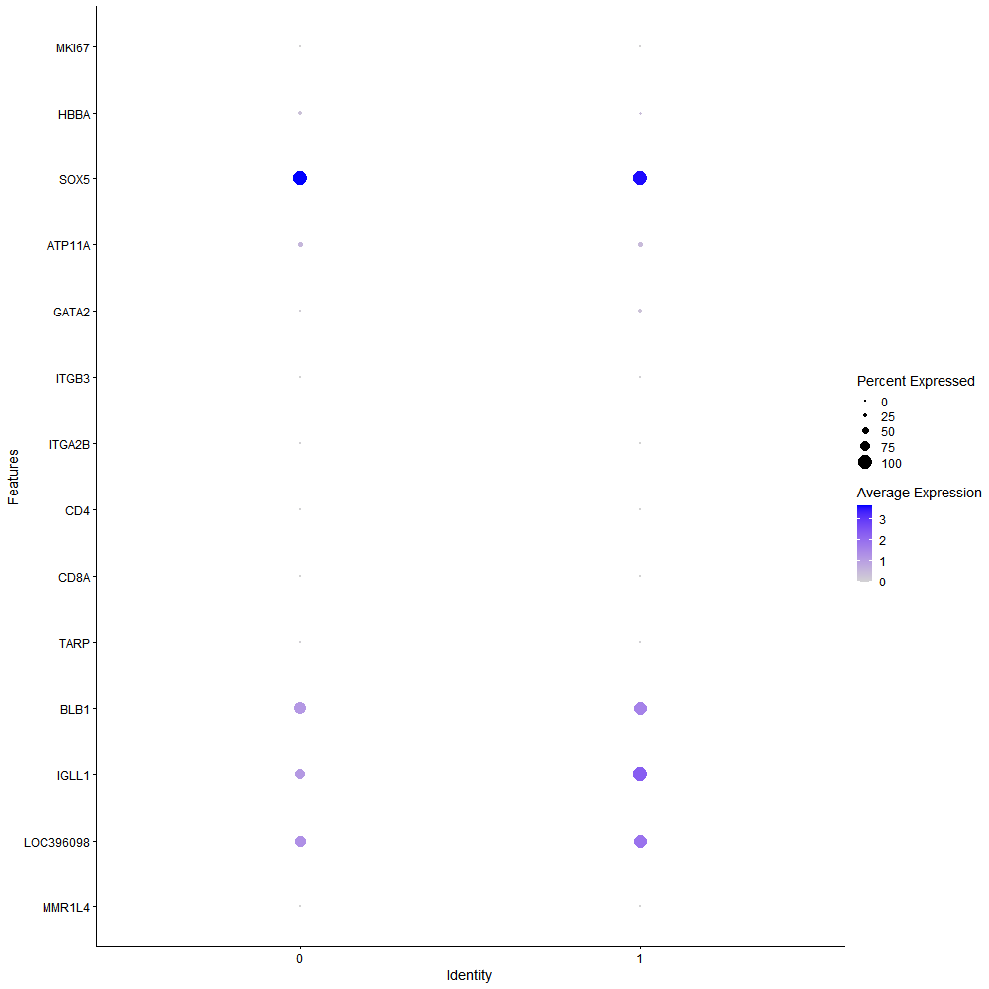
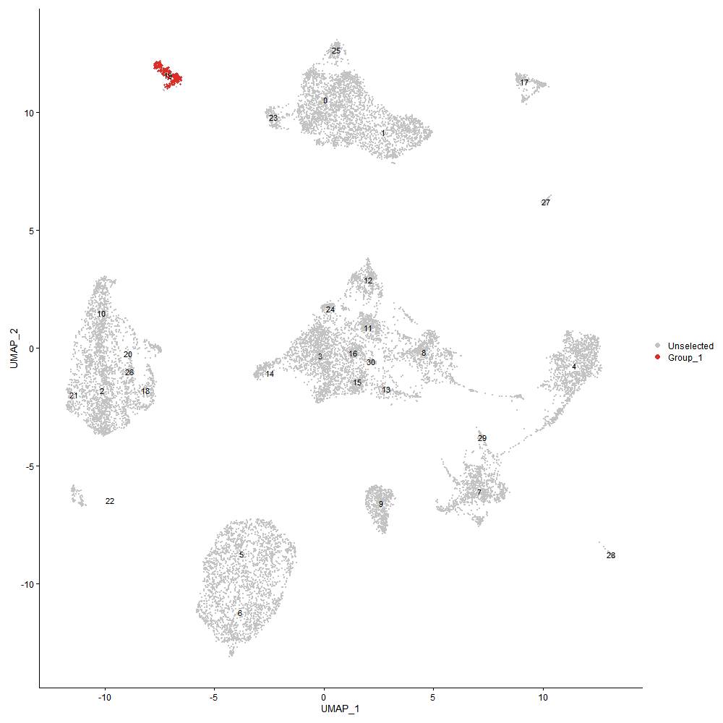
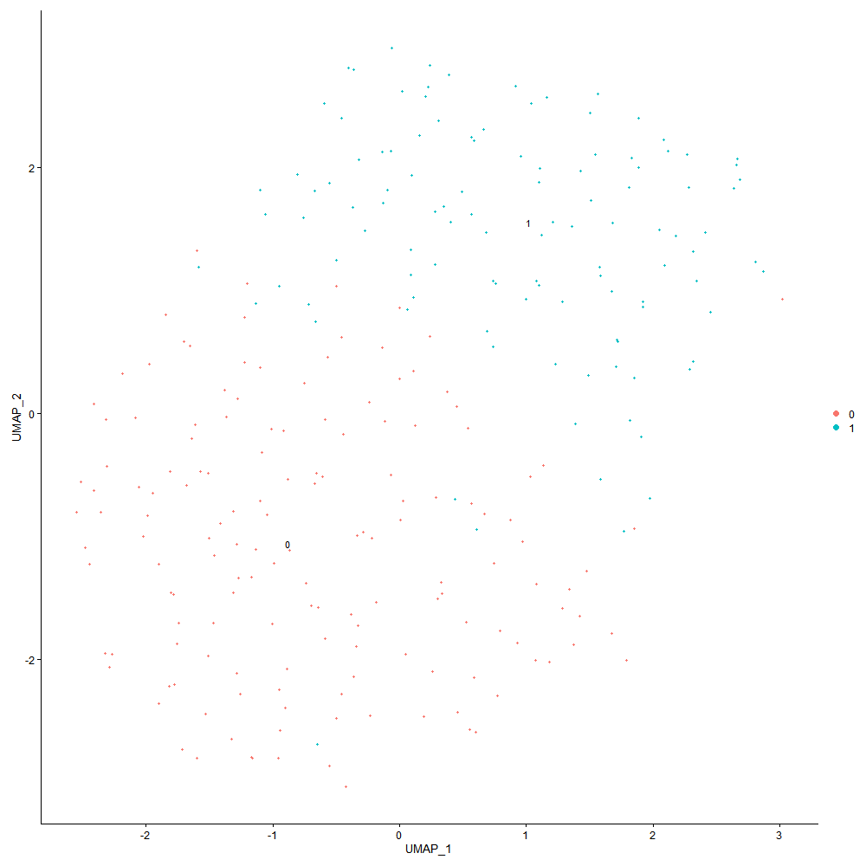

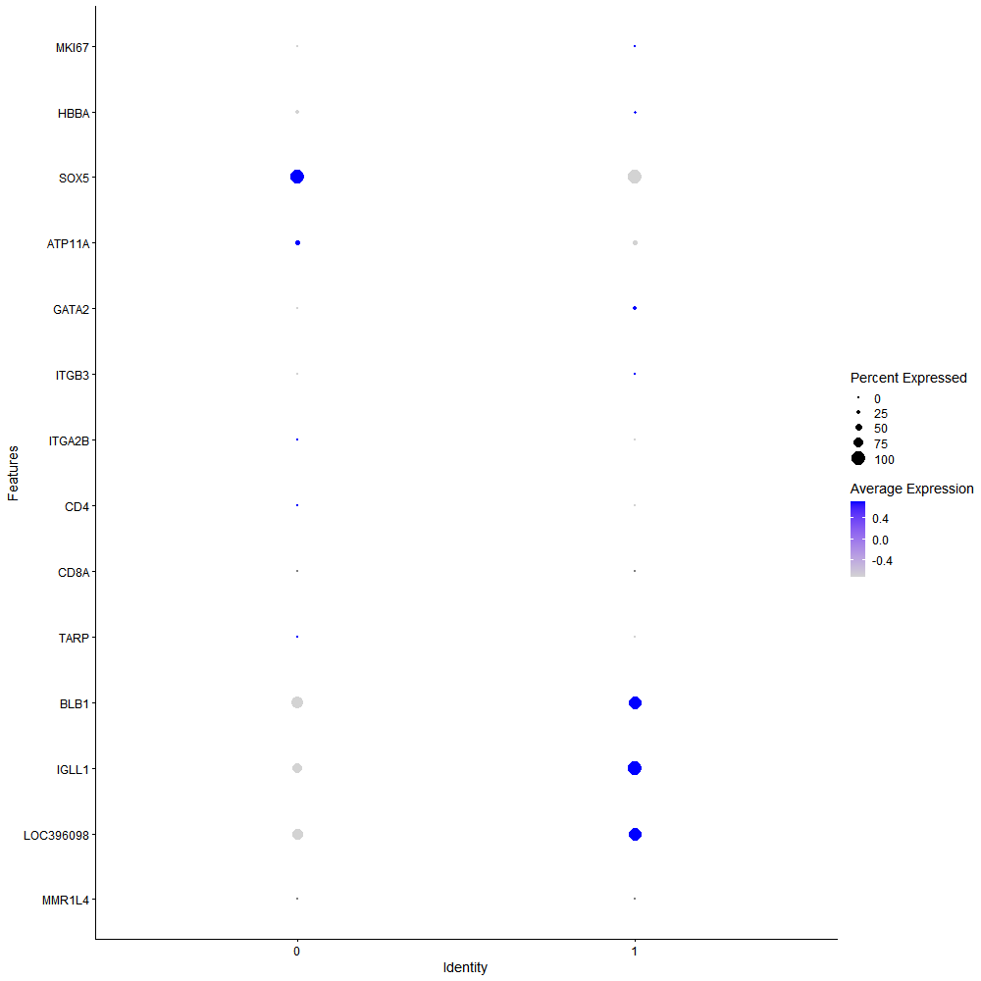
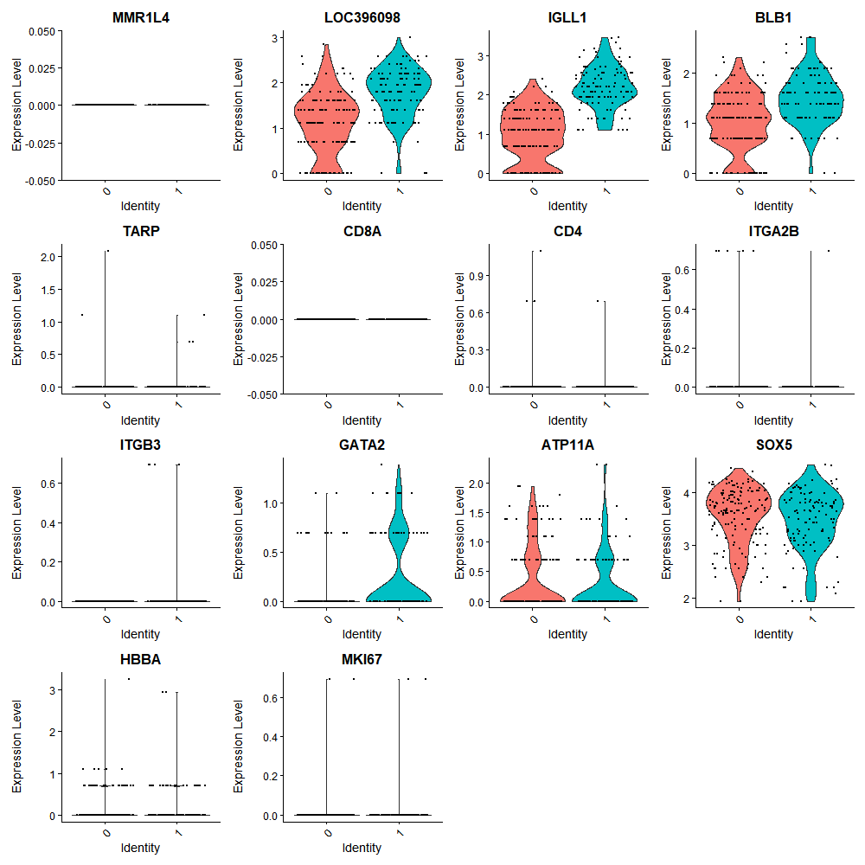

Cluster0
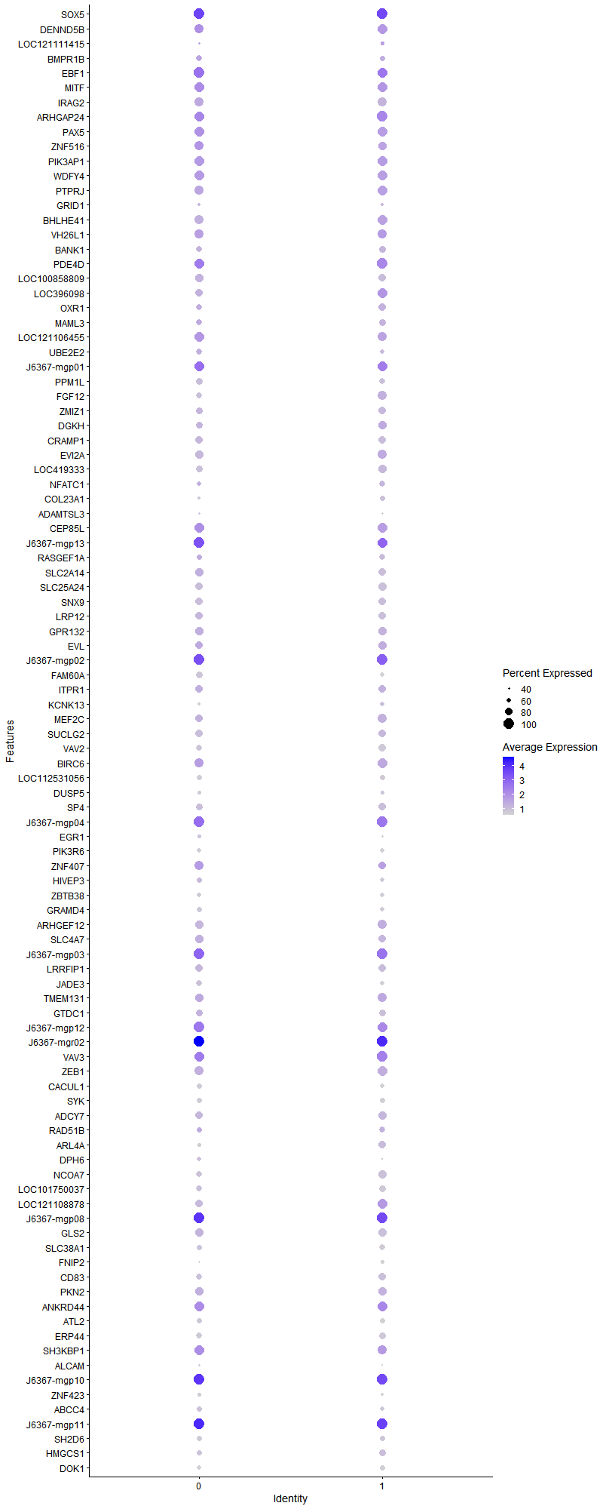
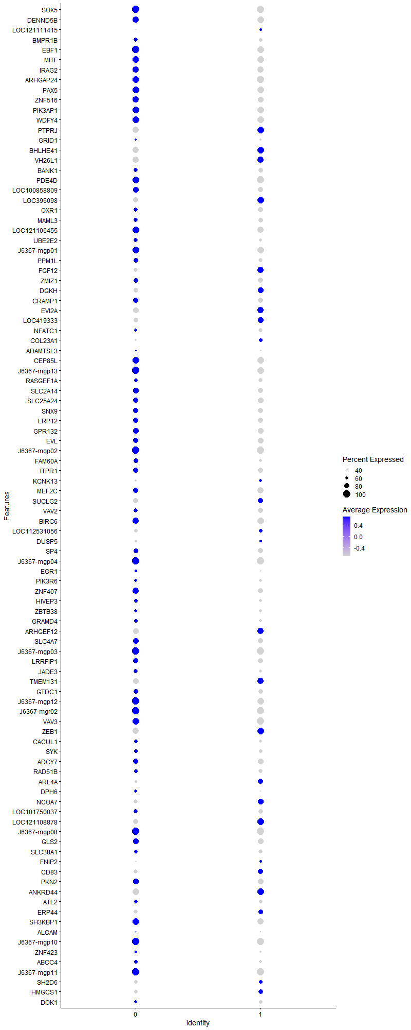
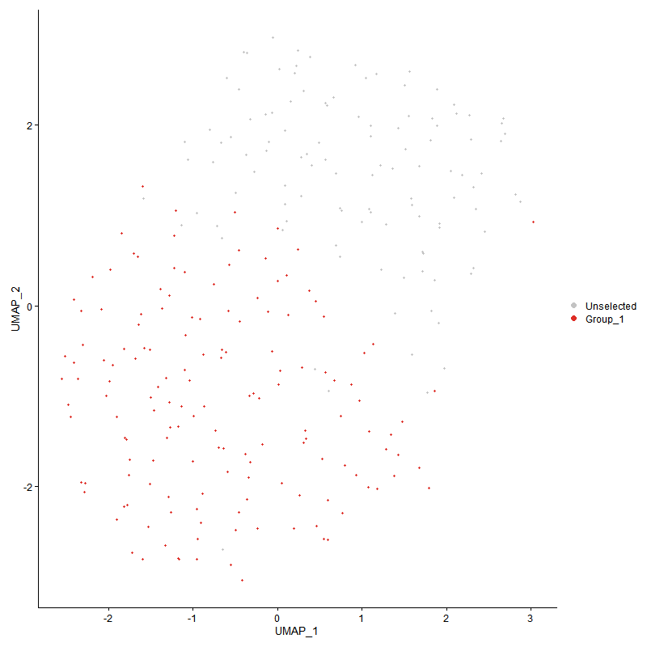
 | p_val | avg_log2FC | pct.1 | pct.2 | p_val_adj | cluster | gene | description
SOX5 | 0 | 4.6787078149 | 1 | 0.048 | 0 | 0 | SOX5 | SOX5 - SOX5 - SRY-box transcription factor 5 - This gene encodes a member of the SOX (SRY-related HMG-box) family of transcription factors involved in the regulation of embryonic development and in the determination of the cell fate. The encoded protein may act as a transcriptional regulator after forming a protein complex with other proteins. The encoded protein may play a role in chondrogenesis. A pseudogene of this gene is located on chromosome 8. Multiple transcript variants encoding distinct isoforms have been identified for this gene. [provided by RefSeq, Jul 2008]
DENND5B | 7.1494426482E-230 | 2.3906062876 | 0.934 | 0.119 | 1.0917913868E-225 | 0 | DENND5B | DENND5B - DENND5B - DENN domain containing 5B - Enables guanyl-nucleotide exchange factor activity. Predicted to be involved in positive regulation of triglyceride transport and regulation of catalytic activity. Predicted to be located in cytosol. [provided by Alliance of Genome Resources, Apr 2022]
LOC121111415 | 0 | 2.3242095999 | 0.417 | 0.004 | 0 | 0 | LOC121111415 | LOC121111415 - LOC121111415 - uncharacterized LOC121111415 -
BMPR1B | 0 | 2.0043780832 | 0.675 | 0.032 | 0 | 0 | BMPR1B | BMPR1B - BMPR1B - bone morphogenetic protein receptor type 1B - This gene encodes a member of the bone morphogenetic protein (BMP) receptor family of transmembrane serine/threonine kinases. The ligands of this receptor are BMPs, which are members of the TGF-beta superfamily. BMPs are involved in endochondral bone formation and embryogenesis. These proteins transduce their signals through the formation of heteromeric complexes of 2 different types of serine (threonine) kinase receptors: type I receptors of about 50-55 kD and type II receptors of about 70-80 kD. Type II receptors bind ligands in the absence of type I receptors, but they require their respective type I receptors for signaling, whereas type I receptors require their respective type II receptors for ligand binding. Mutations in this gene have been associated with primary pulmonary hypertension. Several transcript variants encoding two different isoforms have been found for this gene. [provided by RefSeq, Feb 2012]
EBF1 | 2.6687912112E-141 | 1.9657340181 | 1 | 0.18 | 4.0755110587E-137 | 0 | EBF1 | EBF1 - EBF1 - EBF transcription factor 1 - Predicted to enable DNA-binding transcription activator activity, RNA polymerase II-specific and RNA polymerase II cis-regulatory region sequence-specific DNA binding activity. Predicted to be involved in positive regulation of transcription by RNA polymerase II. Predicted to act upstream of or within positive regulation of transcription, DNA-templated. Predicted to be located in nucleus. Predicted to be part of chromatin. [provided by Alliance of Genome Resources, Apr 2022]
MITF | 1.6746870608E-97 | 1.8025011908 | 0.974 | 0.276 | 2.5574146105E-93 | 0 | MITF | MITF - MITF - melanocyte inducing transcription factor - The protein encoded by this gene is a transcription factor that contains both basic helix-loop-helix and leucine zipper structural features. The encoded protein regulates melanocyte development and is responsible for pigment cell-specific transcription of the melanogenesis enzyme genes. Heterozygous mutations in the this gene cause auditory-pigmentary syndromes, such as Waardenburg syndrome type 2 and Tietz syndrome. [provided by RefSeq, Aug 2017]
IRAG2 | 3.2976123161E-222 | 1.7816509577 | 0.94 | 0.126 | 5.035783768E-218 | 0 | IRAG2 | IRAG2 - IRAG2 - inositol 1,4,5-triphosphate receptor associated 2 - The protein encode dby this gene is expressed in a developmentally regulated manner in lymphoid cell lines and tissues. The protein is localized to the cytoplasmic face of the endoplasmic reticulum. [provided by RefSeq, Jul 2008]
ARHGAP24 | 2.6712455071E-95 | 1.7126512022 | 0.98 | 0.296 | 4.0792590139E-91 | 0 | ARHGAP24 | ARHGAP24 - ARHGAP24 - Rho GTPase activating protein 24 - This gene encodes a Rho-GTPase activating protein, which is specific for the small GTPase family member Rac. Binding of the encoded protein by filamin A targets it to sites of membrane protrusion, where it antognizes Rac. This results in suppression of lamellae formation and promotion of retraction to regulate cell polarity. Alternative splicing results in multiple transcript variants. [provided by RefSeq, Sep 2016]
PAX5 | 3.7605000346E-139 | 1.6994057412 | 0.96 | 0.172 | 5.7426596029E-135 | 0 | PAX5 | PAX5 - PAX5 - paired box 5 - This gene encodes a member of the paired box (PAX) family of transcription factors. The central feature of this gene family is a novel, highly conserved DNA-binding motif, known as the paired box. Paired box transcription factors are important regulators in early development, and alterations in the expression of their genes are thought to contribute to neoplastic transformation. This gene encodes the B-cell lineage specific activator protein that is expressed at early, but not late stages of B-cell differentiation. Its expression has also been detected in developing CNS and testis and so the encoded protein may also play a role in neural development and spermatogenesis. This gene is located at 9p13, which is involved in t(9;14)(p13;q32) translocations recurring in small lymphocytic lymphomas of the plasmacytoid subtype, and in derived large-cell lymphomas. This translocation brings the potent E-mu enhancer of the IgH gene into close proximity of the PAX5 promoter, suggesting that the deregulation of transcription of this gene contributes to the pathogenesis of these lymphomas. Alternative splicing results in multiple transcript variants encoding different isoforms. [provided by RefSeq, Jul 2013]
ZNF516 | 2.4707827377E-90 | 1.6946175276 | 0.907 | 0.267 | 3.7731323187E-86 | 0 | ZNF516 | ZNF516 - ZNF516 - zinc finger protein 516 - Zinc-finger proteins bind nucleic acids and play important roles in various cellular functions, including cell proliferation, differentiation, and apoptosis. This gene encodes a zinc-finger protein, and belongs to the krueppel C2H2-type zinc-finger protein family. It may be involved in transcriptional regulation. [provided by RefSeq, Sep 2012]
PIK3AP1 | 8.6280375673E-98 | 1.6525538417 | 0.974 | 0.316 | 1.3175876169E-93 | 0 | PIK3AP1 | PIK3AP1 - PIK3AP1 - phosphoinositide-3-kinase adaptor protein 1 - Predicted to enable phosphatidylinositol 3-kinase regulatory subunit binding activity and signaling receptor binding activity. Predicted to be involved in regulation of inflammatory response; regulation of signal transduction; and toll-like receptor signaling pathway. Predicted to be located in cytoplasm and membrane. Predicted to be active in cytosol. [provided by Alliance of Genome Resources, Apr 2022]
WDFY4 | 1.7058888773E-128 | 1.6215483089 | 0.98 | 0.208 | 2.6050629045E-124 | 0 | WDFY4 | WDFY4 - WDFY4 - WDFY family member 4 - Predicted to be involved in autophagy. Predicted to act upstream of or within with a positive effect on CD8-positive, alpha-beta T cell activation. Predicted to act upstream of or within antigen processing and presentation and cellular response to virus. Predicted to be located in early endosome and endoplasmic reticulum. [provided by Alliance of Genome Resources, Apr 2022]
PTPRJ | 4.754405822E-142 | 1.6110506136 | 0.927 | 0.183 | 7.2604531308E-138 | 0 | PTPRJ | PTPRJ - PTPRJ - protein tyrosine phosphatase receptor type J - The protein encoded by this gene is a member of the protein tyrosine phosphatase (PTP) family. PTPs are known to be signaling molecules that regulate a variety of cellular processes, including cell growth, differentiation, mitotic cycle, and oncogenic transformation. This PTP possesses an extracellular region containing five fibronectin type III repeats, a single transmembrane region, and a single intracytoplasmic catalytic domain, and thus represents a receptor-type PTP. This protein is present in all hematopoietic lineages, and was shown to negatively regulate T cell receptor signaling possibly through interfering with the phosphorylation of Phospholipase C Gamma 1 and Linker for Activation of T Cells. This protein can also dephosphorylate the PDGF beta receptor, and may be involved in UV-induced signal transduction. Multiple transcript variants encoding different isoforms have been found for this gene. [provided by RefSeq, Jul 2008]
GRID1 | 3.2930838319E-219 | 1.5079018357 | 0.497 | 0.03 | 5.0288683197E-215 | 0 | GRID1 | GRID1 - GRID1 - glutamate ionotropic receptor delta type subunit 1 - This gene encodes a subunit of glutamate receptor channels. These channels mediate most of the fast excitatory synaptic transmission in the central nervous system and play key roles in synaptic plasticity.[provided by RefSeq, Jan 2009]
BHLHE41 | 1.0750577738E-169 | 1.4613785637 | 0.907 | 0.139 | 1.6417207264E-165 | 0 | BHLHE41 | BHLHE41 - BHLHE41 - basic helix-loop-helix family member e41 - This gene encodes a basic helix-loop-helix protein expressed in various tissues. The encoded protein can interact with ARNTL or compete for E-box binding sites in the promoter of PER1 and repress CLOCK/ARNTL's transactivation of PER1. This gene is believed to be involved in the control of circadian rhythm and cell differentiation. Defects in this gene are associated with the short sleep phenotype. [provided by RefSeq, Feb 2014]
VH26L1 | 2.9306958793E-120 | 1.4537046412 | 0.894 | 0.167 | 4.4754656773E-116 | 0 | VH26L1 | VH26L1 - VH26L1 - Immunoglobulin heavy chain V-III region VH26-like 1 -
BANK1 | 3.4624291084E-159 | 1.4460854271 | 0.682 | 0.082 | 5.2874754914E-155 | 0 | BANK1 | BANK1 - BANK1 - B cell scaffold protein with ankyrin repeats 1 - The protein encoded by this gene is a B-cell-specific scaffold protein that functions in B-cell receptor-induced calcium mobilization from intracellular stores. This protein can also promote Lyn-mediated tyrosine phosphorylation of inositol 1,4,5-trisphosphate receptors. Polymorphisms in this gene are associated with susceptibility to systemic lupus erythematosus. Alternative splicing results in multiple transcript variants. [provided by RefSeq, Oct 2009]
PDE4D | 1.7606706716E-59 | 1.4424557673 | 0.993 | 0.512 | 2.6887201826E-55 | 0 | PDE4D | PDE4D - PDE4D - phosphodiesterase 4D - This gene encodes one of four mammalian counterparts to the fruit fly 'dunce' gene. The encoded protein has 3',5'-cyclic-AMP phosphodiesterase activity and degrades cAMP, which acts as a signal transduction molecule in multiple cell types. This gene uses different promoters to generate multiple alternatively spliced transcript variants that encode functional proteins.[provided by RefSeq, Sep 2009]
LOC100858809 | 4.0734260506E-113 | 1.3709567004 | 0.815 | 0.164 | 6.2205289218E-109 | 0 | LOC100858809 | LOC100858809 - LOC100858809 - uncharacterized LOC100858809 -
LOC396098 | 1.5468479836E-137 | 1.3692855942 | 0.815 | 0.131 | 2.3621915557E-133 | 0 | LOC396098 | LOC396098 - LOC396098 - B6.1 -
OXR1 | 2.2034223404E-51 | 1.3570058914 | 0.689 | 0.24 | 3.3648462561E-47 | 0 | OXR1 | OXR1 - HCRTR1 - hypocretin receptor 1 - The protein encoded by this gene is a G-protein coupled receptor involved in the regulation of feeding behavior. The encoded protein selectively binds the hypothalamic neuropeptide orexin A. A related gene (HCRTR2) encodes a G-protein coupled receptor that binds orexin A and orexin B. [provided by RefSeq, Jan 2009]
MAML3 | 3.827475125E-48 | 1.3246570631 | 0.656 | 0.217 | 5.8449372634E-44 | 0 | MAML3 | MAML3 - MAML3 - mastermind like transcriptional coactivator 3 - Enables transcription coactivator activity. Involved in Notch signaling pathway and positive regulation of transcription by RNA polymerase II. Located in nuclear speck. [provided by Alliance of Genome Resources, Apr 2022]
LOC121106455 | 2.1308568315E-59 | 1.3237688642 | 0.96 | 0.434 | 3.2540314673E-55 | 0 | LOC121106455 | LOC121106455 - LOC121106455 - ataxin 1 -
UBE2E2 | 3.5623425185E-101 | 1.3192958293 | 0.689 | 0.117 | 5.4400532601E-97 | 0 | UBE2E2 | UBE2E2 - UBE2E2 - ubiquitin conjugating enzyme E2 E2 - Enables ISG15 transferase activity and ubiquitin conjugating enzyme activity. Involved in protein modification by small protein conjugation. Acts upstream of or within cellular response to DNA damage stimulus and positive regulation of G1/S transition of mitotic cell cycle. Predicted to be active in nucleus. [provided by Alliance of Genome Resources, Apr 2022]
J6367-mgp01 | 2.2809020682E-36 | 1.2933729228 | 0.987 | 0.879 | 3.4831655483E-32 | 0 | J6367-mgp01 | J6367-mgp01 - ND6 - NADH dehydrogenase subunit 6 -
PPM1L | 0 | 1.2657049336 | 0.748 | 0.047 | 0 | 0 | PPM1L | PPM1L - PPM1L - protein phosphatase, Mg2+/Mn2+ dependent 1L - The protein encoded by this gene is a magnesium or manganese-requiring phosphatase that is involved in several signaling pathways. The encoded protein downregulates apoptosis signal-regulating kinase 1, a protein that initiates a signaling cascade that leads to apoptosis when cells are subjected to cytotoxic stresses. This protein also is an endoplasmic reticulum transmembrane protein that helps regulate ceramide transport from the endoplasmic reticulum to the Golgi apparatus. Finally, this gene may be involved in adiposity since it is upregulated in adipose tissues. Several transcript variants encoding different isoforms have been found for this gene. [provided by RefSeq, Dec 2015]
FGF12 | 2.6178395253E-254 | 1.2092317503 | 0.702 | 0.053 | 3.9977027391E-250 | 0 | FGF12 | FGF12 - FGF12 - fibroblast growth factor 12 - The protein encoded by this gene is a member of the fibroblast growth factor (FGF) family. FGF family members possess broad mitogenic and cell survival activities, and are involved in a variety of biological processes, including embryonic development, cell growth, morphogenesis, tissue repair, tumor growth, and invasion. This growth factor lacks the N-terminal signal sequence present in most of the FGF family members, but it contains clusters of basic residues that have been demonstrated to act as a nuclear localization signal. When transfected into mammalian cells, this protein accumulated in the nucleus, but was not secreted. The specific function of this gene has not yet been determined. [provided by RefSeq, Dec 2019]
ZMIZ1 | 9.8540701961E-111 | 1.2070129772 | 0.748 | 0.132 | 1.5048150597E-106 | 0 | ZMIZ1 | ZMIZ1 - ZMIZ1 - zinc finger MIZ-type containing 1 - This gene encodes a member of the PIAS (protein inhibitor of activated STAT) family of proteins. The encoded protein regulates the activity of various transcription factors, including the androgen receptor, Smad3/4, and p53. The encoded protein may also play a role in sumoylation. A translocation between this locus on chromosome 10 and the protein tyrosine kinase ABL1 locus on chromosome 9 has been associated with acute lymphoblastic leukemia. [provided by RefSeq, Mar 2010]
DGKH | 1.9830151121E-77 | 1.1911745293 | 0.762 | 0.184 | 3.0282623777E-73 | 0 | DGKH | DGKH - DGKH - diacylglycerol kinase eta - This gene encodes a member of the diacylglycerol kinase (DGK) enzyme family. Members of this family are involved in regulating intracellular concentrations of diacylglycerol and phosphatidic acid. Variation in this gene has been associated with bipolar disorder. Alternatively spliced transcript variants have been identified. [provided by RefSeq, Jul 2014]
CRAMP1 | 5.284145107E-77 | 1.1845494083 | 0.795 | 0.237 | 8.0694179929E-73 | 0 | CRAMP1 | CRAMP1 - CRAMP1 - cramped chromatin regulator homolog 1 - Predicted to enable chromatin binding activity. Predicted to be involved in pattern specification process. Predicted to be active in nucleus. [provided by Alliance of Genome Resources, Apr 2022]
EVI2A | 5.4806998685E-94 | 1.1334492534 | 0.801 | 0.184 | 8.3695767692E-90 | 0 | EVI2A | EVI2A - EVI2A - ecotropic viral integration site 2A - Predicted to be integral component of membrane. [provided by Alliance of Genome Resources, Apr 2022]
LOC419333 | 6.2896881627E-146 | 1.1304041508 | 0.715 | 0.096 | 9.6049827933E-142 | 0 | LOC419333 | LOC419333 - LOC419333 - formin-like protein 16-like -
NFATC1 | 8.4262027947E-16 | 1.1299268353 | 0.53 | 0.297 | 1.2867654288E-11 | 0 | NFATC1 | NFATC1 - NFATC1 - nuclear factor of activated T cells 1 - The product of this gene is a component of the nuclear factor of activated T cells DNA-binding transcription complex. This complex consists of at least two components: a preexisting cytosolic component that translocates to the nucleus upon T cell receptor (TCR) stimulation, and an inducible nuclear component. Proteins belonging to this family of transcription factors play a central role in inducible gene transcription during immune response. The product of this gene is an inducible nuclear component. It functions as a major molecular target for the immunosuppressive drugs such as cyclosporin A. Multiple alternatively spliced transcript variants encoding distinct isoforms have been identified for this gene. Different isoforms of this protein may regulate inducible expression of different cytokine genes. [provided by RefSeq, Jul 2013]
COL23A1 | 0 | 1.1182724827 | 0.477 | 0.007 | 0 | 0 | COL23A1 | COL23A1 - COL23A1 - collagen type XXIII alpha 1 chain - COL23A1 is a member of the transmembrane collagens, a subfamily of the nonfibrillar collagens that contain a single pass hydrophobic transmembrane domain (Banyard et al., 2003 [PubMed 12644459]).[supplied by OMIM, Mar 2008]
ADAMTSL3 | 8.2378935473E-45 | 1.0806766147 | 0.417 | 0.092 | 1.2580087236E-40 | 0 | ADAMTSL3 | ADAMTSL3 - ADAMTSL3 - ADAMTS like 3 - Predicted to be involved in extracellular matrix organization. Located in intracellular membrane-bounded organelle. [provided by Alliance of Genome Resources, Apr 2022]
CEP85L | 3.0025440206E-35 | 1.0689404815 | 0.954 | 0.686 | 4.5851849739E-31 | 0 | CEP85L | CEP85L - CEP85L - centrosomal protein 85 like - The protein encoded by this gene was identified as a breast cancer antigen. Nothing more is known of its function at this time. Three transcript variants encoding different isoforms have been found for this gene. [provided by RefSeq, May 2010]
J6367-mgp13 | 3.6497319597E-46 | 1.0516491555 | 1 | 0.996 | 5.5735056756E-42 | 0 | J6367-mgp13 | J6367-mgp13 - ND1 - NADH dehydrogenase subunit 1 -
RASGEF1A | 8.7509461063E-28 | 1.0440712056 | 0.629 | 0.268 | 1.3363569799E-23 | 0 | RASGEF1A | RASGEF1A - RASGEF1A - RasGEF domain family member 1A - Enables guanyl-nucleotide exchange factor activity. Involved in cell migration and positive regulation of Ras protein signal transduction. Predicted to be located in cytosol. [provided by Alliance of Genome Resources, Apr 2022]
SLC2A14 | 6.2567476744E-43 | 1.0357374038 | 0.828 | 0.392 | 9.5546793736E-39 | 0 | SLC2A14 | SLC2A14 - SLC2A14 - solute carrier family 2 member 14 - Members of the glucose transporter (GLUT) family, including SLC2A14, are highly conserved integral membrane proteins that transport hexoses such as glucose and fructose into all mammalian cells. GLUTs show tissue and cell-type specific expression (Wu and Freeze, 2002 [PubMed 12504846]).[supplied by OMIM, Mar 2008]
SLC25A24 | 1.1127202989E-90 | 1.021623038 | 0.755 | 0.169 | 1.6992351685E-86 | 0 | SLC25A24 | SLC25A24 - SLC25A24 - solute carrier family 25 member 24 - This gene encodes a carrier protein that transports ATP-Mg exchanging it for phosphate. Multiple transcript variants encoding different isoforms have been found for this gene. [provided by RefSeq, May 2012]
SNX9 | 1.1589063815E-76 | 1.0004110627 | 0.762 | 0.193 | 1.7697659352E-72 | 0 | SNX9 | SNX9 - SNX9 - sorting nexin 9 - This gene encodes a member of the sorting nexin family. Members of this family contain a phosphoinositide binding domain, and are involved in intracellular trafficking. The encoded protein does not contain a coiled coil region, like some family members, but does contain a SRC homology domain near its N-terminus. The encoded protein is reported to have a variety of interaction partners, including of adaptor protein 2 , dynamin, tyrosine kinase non-receptor 2, Wiskott-Aldrich syndrome-like, and ARP3 actin-related protein 3. The encoded protein is implicated in several stages of intracellular trafficking, including endocytosis, macropinocytosis, and F-actin nucleation. [provided by RefSeq, Jul 2013]
LRP12 | 3.2940125207E-55 | 0.99766227392 | 0.828 | 0.315 | 5.0302865204E-51 | 0 | LRP12 | LRP12 - LRP12 - LDL receptor related protein 12 - This gene encodes a member of the low-density lipoprotein receptor related protein family. The product of this gene is a transmembrane protein that is differentially expressed in many cancer cells. Alternate splicing results in multiple transcript variants. [provided by RefSeq, Feb 2010]
GPR132 | 2.2955962088E-44 | 0.97700233019 | 0.834 | 0.359 | 3.5056049705E-40 | 0 | GPR132 | GPR132 - GPR132 - G protein-coupled receptor 132 - This gene encodes a member of the guanine nucleotide-binding protein (G protein)-coupled receptor (GPCR) superfamily. The receptors are seven-pass transmembrane proteins that respond to extracellular cues and activate intracellular signal transduction pathways. This protein was reported to be a receptor for lysophosphatidylcholine action, but PubMedID: 15653487 retracts this finding and instead suggests this protein to be an effector of lysophosphatidylcholine action. This protein may have proton-sensing activity and may be a receptor for oxidized free fatty acids. Alternative splicing results in multiple transcript variants. [provided by RefSeq, Jul 2013]
EVL | 5.3636596655E-27 | 0.96813692533 | 0.808 | 0.494 | 8.1908446752E-23 | 0 | EVL | EVL - EVL - Enah/Vasp-like - Predicted to enable SH3 domain binding activity and profilin binding activity. Involved in negative regulation of epithelial cell migration; negative regulation of ruffle assembly; and positive regulation of stress fiber assembly. Located in membrane. [provided by Alliance of Genome Resources, Apr 2022]
J6367-mgp02 | 7.6924539525E-42 | 0.94723244925 | 1 | 0.995 | 1.1747146431E-37 | 0 | J6367-mgp02 | J6367-mgp02 - CYTB - cytochrome b -
FAM60A | 1.9360387896E-88 | 0.92362210925 | 0.695 | 0.145 | 2.9565248356E-84 | 0 | FAM60A | FAM60A - SINHCAF - SIN3-HDAC complex associated factor - Involved in negative regulation of cell migration. Part of Sin3 complex. [provided by Alliance of Genome Resources, Apr 2022]
ITPR1 | 1.1919074893E-34 | 0.90347981103 | 0.808 | 0.365 | 1.8201619269E-30 | 0 | ITPR1 | ITPR1 - ITPR1 - inositol 1,4,5-trisphosphate receptor type 1 - This gene encodes an intracellular receptor for inositol 1,4,5-trisphosphate. Upon stimulation by inositol 1,4,5-trisphosphate, this receptor mediates calcium release from the endoplasmic reticulum. Mutations in this gene cause spinocerebellar ataxia type 15, a disease associated with an heterogeneous group of cerebellar disorders. Multiple transcript variants have been identified for this gene. [provided by RefSeq, Nov 2009]
KCNK13 | 4.506180356E-111 | 0.90314359994 | 0.45 | 0.049 | 6.8813880217E-107 | 0 | KCNK13 | KCNK13 - KCNK13 - potassium two pore domain channel subfamily K member 13 - Potassium channels represent the most complex class of voltage-gated ion channels from both functional and structural standpoints. Their diverse functions include regulating neurotransmitter release, heart rate, insulin secretion, neuronal excitability, epithelial electrolyte transport, smooth muscle contraction, and cell volume. This gene encodes a potassium channel containing two pore-forming domains. This protein is an open channel that can be stimulated by arachidonic acid and inhibited by the anesthetic halothane. [provided by RefSeq, Jul 2013]
MEF2C | 7.5308721267E-60 | 0.89597258445 | 0.801 | 0.218 | 1.1500394825E-55 | 0 | MEF2C | MEF2C - MEF2C - myocyte enhancer factor 2C - This locus encodes a member of the MADS box transcription enhancer factor 2 (MEF2) family of proteins, which play a role in myogenesis. The encoded protein, MEF2 polypeptide C, has both trans-activating and DNA binding activities. This protein may play a role in maintaining the differentiated state of muscle cells. Mutations and deletions at this locus have been associated with severe cognitive disability, stereotypic movements, epilepsy, and cerebral malformation. Alternatively spliced transcript variants have been described. [provided by RefSeq, Jul 2010]
SUCLG2 | 4.264808292E-70 | 0.8948866583 | 0.762 | 0.197 | 6.5127887426E-66 | 0 | SUCLG2 | SUCLG2 - SUCLG2 - succinate-CoA ligase GDP-forming subunit beta - This gene encodes a GTP-specific beta subunit of succinyl-CoA synthetase. Succinyl-CoA synthetase catalyzes the reversible reaction involving the formation of succinyl-CoA and succinate. Alternate splicing results in multiple transcript variants. Pseudogenes of this gene are found on chromosomes 5 and 12. [provided by RefSeq, Apr 2010]
VAV2 | 6.8837841915E-98 | 0.88979747776 | 0.695 | 0.123 | 1.0512226839E-93 | 0 | VAV2 | VAV2 - VAV2 - vav guanine nucleotide exchange factor 2 - VAV2 is the second member of the VAV guanine nucleotide exchange factor family of oncogenes. Unlike VAV1, which is expressed exclusively in hematopoietic cells, VAV2 transcripts were found in most tissues. Alternatively spliced transcript variants encoding different isoforms have been found for this gene. [provided by RefSeq, Aug 2008]
BIRC6 | 1.0037425143E-26 | 0.88916723277 | 0.927 | 0.689 | 1.5328151935E-22 | 0 | BIRC6 | BIRC6 - BIRC6 - baculoviral IAP repeat containing 6 - This gene encodes a protein with a BIR (baculoviral inhibition of apoptosis protein repeat) domain and a UBCc (ubiquitin-conjugating enzyme E2, catalytic) domain. This protein inhibits apoptosis by facilitating the degradation of apoptotic proteins by ubiquitination. [provided by RefSeq, Jul 2008]
LOC112531056 | 2.1565947171E-175 | 0.86078071939 | 0.623 | 0.06 | 3.2933357926E-171 | 0 | LOC112531056 | LOC112531056 - LOC112531056 - serine-rich adhesin for platelets-like -
DUSP5 | 3.4045115847E-87 | 0.85527809024 | 0.53 | 0.084 | 5.199029641E-83 | 0 | DUSP5 | DUSP5 - DUSP5 - dual specificity phosphatase 5 - The protein encoded by this gene is a member of the dual specificity protein phosphatase subfamily. These phosphatases inactivate their target kinases by dephosphorylating both the phosphoserine/threonine and phosphotyrosine residues. They negatively regulate members of the mitogen-activated protein (MAP) kinase superfamily (MAPK/ERK, SAPK/JNK, p38), which are associated with cellular proliferation and differentiation. Different members of the family of dual specificity phosphatases show distinct substrate specificities for various MAP kinases, different tissue distribution and subcellular localization, and different modes of inducibility of their expression by extracellular stimuli. This gene product inactivates ERK1, is expressed in a variety of tissues with the highest levels in pancreas and brain, and is localized in the nucleus. [provided by RefSeq, Jul 2008]
SP4 | 7.4103268821E-39 | 0.847991266 | 0.689 | 0.268 | 1.1316310182E-34 | 0 | SP4 | SP4 - SP4 - Sp4 transcription factor - The protein encoded by this gene is a transcription factor that can bind to the GC promoter region of a variety of genes, including those of the photoreceptor signal transduction system. The encoded protein binds to the same sites in promoter CpG islands as does the transcription factor SP1, although its expression is much more restricted compared to that of SP1. This gene may be involved in bipolar disorder and schizophrenia. [provided by RefSeq, May 2016]
J6367-mgp04 | 1.3981294707E-32 | 0.84233961609 | 1 | 0.975 | 2.1350835147E-28 | 0 | J6367-mgp04 | J6367-mgp04 - ND4 - NADH dehydrogenase subunit 4 -
EGR1 | 2.5458404835E-31 | 0.83880790218 | 0.477 | 0.152 | 3.8877530023E-27 | 0 | EGR1 | EGR1 - EGR1 - early growth response 1 - The protein encoded by this gene belongs to the EGR family of C2H2-type zinc-finger proteins. It is a nuclear protein and functions as a transcriptional regulator. The products of target genes it activates are required for differentitation and mitogenesis. Studies suggest this is a cancer suppressor gene. [provided by RefSeq, Dec 2014]
PIK3R6 | 1.3355692726E-102 | 0.83416252232 | 0.596 | 0.091 | 2.0395478362E-98 | 0 | PIK3R6 | PIK3R6 - PIK3R6 - phosphoinositide-3-kinase regulatory subunit 6 - Phosphoinositide 3-kinase gamma is a lipid kinase that produces the lipid second messenger phosphatidylinositol 3,4,5-trisphosphate. The kinase is composed of a catalytic subunit and one of several regulatory subunits, and is chiefly activated by G protein-coupled receptors. This gene encodes a regulatory subunit, and is distantly related to the phosphoinositide-3-kinase, regulatory subunit 5 gene which is located adjacent to this gene on chromosome 7. The orthologous protein in the mouse binds to both the catalytic subunit and to G(beta/gamma), and mediates activation of the kinase subunit downstream of G protein-coupled receptors. Alternative splicing results in multiple transcript variants. [provided by RefSeq, Feb 2014]
ZNF407 | 6.5077361723E-24 | 0.82889775898 | 0.887 | 0.547 | 9.9379639087E-20 | 0 | ZNF407 | ZNF407 - ZNF407 - zinc finger protein 407 - This gene encodes a zinc finger protein whose exact function is not known. It may be involved in transcriptional regulation. Several alternatively spliced transcript variants encoding different isoforms have been found for this gene. [provided by RefSeq, Sep 2009]
HIVEP3 | 6.04034126E-16 | 0.82665661313 | 0.603 | 0.324 | 9.2242051382E-12 | 0 | HIVEP3 | HIVEP3 - HIVEP3 - HIVEP zinc finger 3 - This gene encodes a member of the human immunodeficiency virus type 1 enhancer-binding protein family. Members of this protein family contain multiple zinc finger and acid-rich (ZAS) domains and serine-threonine rich regions. This protein acts as a transcription factor and is able to regulate nuclear factor kappaB-mediated transcription by binding the kappaB motif in target genes. This protein also binds the recombination signal sequence that flanks the V, D, and J regions of immunoglobulin and T-cell receptors. Alternate splicing results in both coding and non-coding transcript variants. [provided by RefSeq, Sep 2011]
ZBTB38 | 3.168202659E-71 | 0.820294614 | 0.596 | 0.121 | 4.8381622806E-67 | 0 | ZBTB38 | ZBTB38 - ZBTB38 - zinc finger and BTB domain containing 38 - The protein encoded by this gene is a zinc finger transcriptional activator that binds methylated DNA. The encoded protein can form homodimers or heterodimers through the zinc finger domains. In mouse, inhibition of this protein has been associated with apoptosis in some cell types. [provided by RefSeq, Jun 2010]
GRAMD4 | 2.4785874683E-65 | 0.81305898955 | 0.623 | 0.141 | 3.7850509229E-61 | 0 | GRAMD4 | GRAMD4 - GRAMD4 - GRAM domain containing 4 - GRAMD4 is a mitochondrial effector of E2F1 (MIM 189971)-induced apoptosis (Stanelle et al., 2005 [PubMed 15565177]).[supplied by OMIM, Jan 2011]
ARHGEF12 | 3.1502075279E-50 | 0.79511616539 | 0.848 | 0.303 | 4.8106819158E-46 | 0 | ARHGEF12 | ARHGEF12 - ARHGEF12 - Rho guanine nucleotide exchange factor 12 - Rho GTPases play a fundamental role in numerous cellular processes that are initiated by extracellular stimuli working through G protein-coupled receptors. The encoded protein may form a complex with G proteins and stimulate Rho-dependent signals. This protein has been observed to form a myeloid/lymphoid fusion partner in acute myeloid leukemia. Three transcript variants encoding different isoforms have been found for this gene. [provided by RefSeq, Jul 2014]
SLC4A7 | 4.5672081843E-24 | 0.78793071772 | 0.828 | 0.465 | 6.9745836183E-20 | 0 | SLC4A7 | SLC4A7 - SLC4A7 - solute carrier family 4 member 7 - This locus encodes a sodium bicarbonate cotransporter. The encoded transmembrane protein appears to transport sodium and bicarbonate ions in a 1:1 ratio, and is thus considered an electroneutral cotransporter. The encoded protein likely plays a critical role in regulation of intracellular pH involved in visual and auditory sensory transmission. Alternatively spliced transcript variants encoding distinct isoforms have been described. [provided by RefSeq, Apr 2012]
J6367-mgp03 | 1.5231598012E-27 | 0.78655880625 | 1 | 0.989 | 2.3260173325E-23 | 0 | J6367-mgp03 | J6367-mgp03 - ND5 - NADH dehydrogenase subunit 5 -
LRRFIP1 | 1.310240147E-28 | 0.78583368137 | 0.768 | 0.396 | 2.0008677285E-24 | 0 | LRRFIP1 | LRRFIP1 - LRRFIP1 - LRR binding FLII interacting protein 1 - Enables DNA-binding transcription repressor activity, RNA polymerase II-specific; RNA polymerase II cis-regulatory region sequence-specific DNA binding activity; and protein homodimerization activity. Involved in negative regulation of transcription by RNA polymerase II. Located in cytosol and plasma membrane. [provided by Alliance of Genome Resources, Apr 2022]
JADE3 | 1.1953663555E-47 | 0.78381161993 | 0.662 | 0.207 | 1.8254439615E-43 | 0 | JADE3 | JADE3 - JADE3 - jade family PHD finger 3 - This gene encodes a member of a family of large proteins containing PHD (plant homeo domain)-type zinc fingers. The encoded protein may be associated in a nuclear complex that functions in histone H4 acetylation. Alternative splicing results in multiple transcript variants encoding the same protein. [provided by RefSeq, Aug 2013]
TMEM131 | 4.1993526566E-25 | 0.78072919636 | 0.821 | 0.527 | 6.412831442E-21 | 0 | TMEM131 | TMEM131 - TMEM131 - transmembrane protein 131 - Predicted to be integral component of membrane. Predicted to be active in membrane. [provided by Alliance of Genome Resources, Apr 2022]
GTDC1 | 2.7926322109E-24 | 0.76883525985 | 0.735 | 0.366 | 4.2646286493E-20 | 0 | GTDC1 | GTDC1 - GTDC1 - glycosyltransferase like domain containing 1 - Predicted to enable glycosyltransferase activity. [provided by Alliance of Genome Resources, Apr 2022]
J6367-mgp12 | 8.7014400458E-31 | 0.76715577206 | 1 | 0.972 | 1.3287969094E-26 | 0 | J6367-mgp12 | J6367-mgp12 - ND2 - NADH dehydrogenase subunit 2 -
J6367-mgr02 | 6.3263666284E-14 | 0.76659395963 | 1 | 1 | 9.6609944782E-10 | 0 | J6367-mgr02 | J6367-mgr02 - J6367_mgr02 - 12S ribosomal RNA -
VAV3 | 5.8990747746E-24 | 0.75990316692 | 0.98 | 0.85 | 9.0084770883E-20 | 0 | VAV3 | VAV3 - VAV3 - vav guanine nucleotide exchange factor 3 - This gene is a member of the VAV gene family. The VAV proteins are guanine nucleotide exchange factors (GEFs) for Rho family GTPases that activate pathways leading to actin cytoskeletal rearrangements and transcriptional alterations. This gene product acts as a GEF preferentially for RhoG, RhoA, and to a lesser extent, RAC1, and it associates maximally with the nucleotide-free states of these GTPases. Alternatively spliced transcript variants encoding different isoforms have been described for this gene. [provided by RefSeq, Jul 2008]
ZEB1 | 7.5357673718E-31 | 0.7588961241 | 0.901 | 0.51 | 1.1507870354E-26 | 0 | ZEB1 | ZEB1 - ZEB1 - zinc finger E-box binding homeobox 1 - This gene encodes a zinc finger transcription factor. The encoded protein likely plays a role in transcriptional repression of interleukin 2. Mutations in this gene have been associated with posterior polymorphous corneal dystrophy-3 and late-onset Fuchs endothelial corneal dystrophy. Alternatively spliced transcript variants encoding different isoforms have been described.[provided by RefSeq, Mar 2010]
CACUL1 | 2.099087167E-64 | 0.75756118797 | 0.603 | 0.137 | 3.2055160128E-60 | 0 | CACUL1 | CACUL1 - CACUL1 - CDK2 associated cullin domain 1 - Enables protein kinase binding activity. Involved in G1/S transition of mitotic cell cycle; positive regulation of cell population proliferation; and positive regulation of protein kinase activity. [provided by Alliance of Genome Resources, Apr 2022]
SYK | 2.6715425919E-85 | 0.75662583186 | 0.609 | 0.107 | 4.0797126921E-81 | 0 | SYK | SYK - SYK - spleen associated tyrosine kinase - This gene encodes a member of the family of non-receptor type Tyr protein kinases. This protein is widely expressed in hematopoietic cells and is involved in coupling activated immunoreceptors to downstream signaling events that mediate diverse cellular responses, including proliferation, differentiation, and phagocytosis. It is thought to be a modulator of epithelial cell growth and a potential tumour suppressor in human breast carcinomas. Alternatively spliced transcript variants encoding different isoforms have been found for this gene. [provided by RefSeq, Mar 2010]
ADCY7 | 9.2326099168E-31 | 0.75576703887 | 0.775 | 0.374 | 1.4099118604E-26 | 0 | ADCY7 | ADCY7 - ADCY7 - adenylate cyclase 7 - This gene encodes a membrane-bound adenylate cyclase that catalyses the formation of cyclic AMP from ATP and is inhibitable by calcium. The product of this gene is a member of the adenylyl cyclase class-4/guanylyl cyclase enzyme family that is characterized by the presence of twelve membrane-spanning domains in its sequences. Several transcript variants have been observed for this gene, but the full-length natures of only two have been determined so far. [provided by RefSeq, Oct 2013]
RAD51B | 1.5082889735E-14 | 0.75568760284 | 0.629 | 0.36 | 2.3033080914E-10 | 0 | RAD51B | RAD51B - RAD51B - RAD51 paralog B - The protein encoded by this gene is a member of the RAD51 protein family. RAD51 family members are evolutionarily conserved proteins essential for DNA repair by homologous recombination. This protein has been shown to form a stable heterodimer with the family member RAD51C, which further interacts with the other family members, such as RAD51, XRCC2, and XRCC3. Overexpression of this gene was found to cause cell cycle G1 delay and cell apoptosis, which suggested a role of this protein in sensing DNA damage. Rearrangements between this locus and high mobility group AT-hook 2 (HMGA2, GeneID 8091) have been observed in uterine leiomyomata. [provided by RefSeq, Mar 2016]
ARL4A | 1.7854926362E-59 | 0.75231617116 | 0.477 | 0.098 | 2.7266258047E-55 | 0 | ARL4A | ARL4A - ARL4A - ADP ribosylation factor like GTPase 4A - ADP-ribosylation factor-like 4A is a member of the ADP-ribosylation factor family of GTP-binding proteins. ARL4A is similar to ARL4C and ARL4D and each has a nuclear localization signal and an unusually high guaninine nucleotide exchange rate. ARL4A is located in both the nuclear and extranuclear cell compartments. Multiple transcript variants encoding the same protein have been found for this gene. [provided by RefSeq, Jul 2008]
DPH6 | 1.860669247E-32 | 0.7520860579 | 0.563 | 0.187 | 2.841428007E-28 | 0 | DPH6 | DPH6 - DPH6 - diphthamine biosynthesis 6 - Enables diphthine-ammonia ligase activity. Predicted to be involved in peptidyl-diphthamide biosynthetic process from peptidyl-histidine. Located in nucleolus and nucleoplasm. [provided by Alliance of Genome Resources, Apr 2022]
NCOA7 | 7.7497831553E-41 | 0.74360679666 | 0.656 | 0.215 | 1.1834693856E-36 | 0 | NCOA7 | NCOA7 - NCOA7 - nuclear receptor coactivator 7 - Enables nuclear receptor binding activity and nuclear receptor coactivator activity. Involved in positive regulation of transcription by RNA polymerase II. Predicted to be active in nucleus. [provided by Alliance of Genome Resources, Apr 2022]
LOC101750037 | 5.8579358029E-25 | 0.73972189684 | 0.689 | 0.341 | 8.9456537646E-21 | 0 | LOC101750037 | LOC101750037 - LOC101750037 - uncharacterized LOC101750037 -
LOC121108878 | 3.9435431789E-60 | 0.73775743376 | 0.788 | 0.204 | 6.0221847885E-56 | 0 | LOC121108878 | LOC121108878 - LOC121108878 - B-cell antigen receptor complex-associated protein alpha chain-like -
J6367-mgp08 | 2.3397686851E-30 | 0.73281699529 | 1 | 0.999 | 3.573060759E-26 | 0 | J6367-mgp08 | J6367-mgp08 - ATP6 - ATP synthase F0 subunit 6 -
GLS2 | 1.448955927E-30 | 0.7310536855 | 0.801 | 0.453 | 2.2127005962E-26 | 0 | GLS2 | GLS2 - GLS2 - glutaminase 2 - The protein encoded by this gene is a mitochondrial phosphate-activated glutaminase that catalyzes the hydrolysis of glutamine to stoichiometric amounts of glutamate and ammonia. Originally thought to be liver-specific, this protein has been found in other tissues as well. Alternative splicing results in multiple transcript variants that encode different isoforms. [provided by RefSeq, Jul 2013]
SLC38A1 | 9.9560848378E-28 | 0.72929341656 | 0.629 | 0.284 | 1.5203937156E-23 | 0 | SLC38A1 | SLC38A1 - SLC38A1 - solute carrier family 38 member 1 - Amino acid transporters play essential roles in the uptake of nutrients, production of energy, chemical metabolism, detoxification, and neurotransmitter cycling. SLC38A1 is an important transporter of glutamine, an intermediate in the detoxification of ammonia and the production of urea. Glutamine serves as a precursor for the synaptic transmitter, glutamate (Gu et al., 2001 [PubMed 11325958]).[supplied by OMIM, Mar 2008]
FNIP2 | 3.9874777879E-121 | 0.72751733668 | 0.397 | 0.035 | 6.0892773299E-117 | 0 | FNIP2 | FNIP2 - FNIP2 - folliculin interacting protein 2 - This gene encodes a protein that binds to the tumor suppressor folliculin and to AMP-activated protein kinase (AMPK), and may play a role cellular metabolism and nutrient sensing by regulating the AMPK-mechanistic target of rapamycin signaling pathway. The encoded protein may also be involved in regulating the O6-methylguanine-induced apoptosis signaling pathway. This gene has a closely related paralog that encodes a protein with similar binding activities. Both related proteins also associate with the molecular chaperone heat shock protein-90 (Hsp90) and negatively regulate its ATPase activity and facilitate its association with folliculin. [provided by RefSeq, Jul 2017]
CD83 | 2.2493772418E-39 | 0.72500335877 | 0.689 | 0.232 | 3.4350239859E-35 | 0 | CD83 | CD83 - CD83 - CD83 molecule - The protein encoded by this gene is a single-pass type I membrane protein and member of the immunoglobulin superfamily of receptors. The encoded protein may be involved in the regulation of antigen presentation. A soluble form of this protein can bind to dendritic cells and inhibit their maturation. Three transcript variants encoding different isoforms have been found for this gene. [provided by RefSeq, Oct 2011]
PKN2 | 1.2654141319E-19 | 0.72179504721 | 0.788 | 0.527 | 1.9324139209E-15 | 0 | PKN2 | PKN2 - PKN2 - protein kinase N2 - Enables RNA polymerase binding activity; histone deacetylase binding activity; and protein serine/threonine kinase activity. Involved in several processes, including apical junction assembly; positive regulation of cell cycle; and positive regulation of viral genome replication. Located in several cellular components, including cleavage furrow; cytoskeleton; and midbody. [provided by Alliance of Genome Resources, Apr 2022]
ANKRD44 | 2.3564270932E-28 | 0.72125454597 | 0.98 | 0.853 | 3.5984998141E-24 | 0 | ANKRD44 | ANKRD44 - ANKRD44 - ankyrin repeat domain 44 -
ATL2 | 2.555831573E-36 | 0.72057714205 | 0.636 | 0.23 | 3.9030103952E-32 | 0 | ATL2 | ATL2 - ATL2 - atlastin GTPase 2 - Enables identical protein binding activity. Involved in Golgi organization; endoplasmic reticulum tubular network membrane organization; and protein homooligomerization. Located in endoplasmic reticulum tubular network membrane. Is integral component of membrane. [provided by Alliance of Genome Resources, Apr 2022]
ERP44 | 1.1785492723E-50 | 0.71909159398 | 0.675 | 0.203 | 1.7997625937E-46 | 0 | ERP44 | ERP44 - ERP44 - endoplasmic reticulum protein 44 - This gene encodes a member of the protein disulfide isomerase (PDI) family of endoplasmic reticulum (ER) proteins. It has an inferred N-terminal signal peptide, a catalytically active thioredoxin (TRX) domain, two TRX-like domains and a C-terminal ER-retention sequence. This protein functions as a pH-regulated chaperone of the secretory pathway and likely plays a role in protein quality control at the endoplasmic reticulum - Golgi interface. [provided by RefSeq, Dec 2016]
SH3KBP1 | 1.7207058214E-19 | 0.71281825651 | 0.947 | 0.798 | 2.6276898599E-15 | 0 | SH3KBP1 | SH3KBP1 - SH3KBP1 - SH3 domain containing kinase binding protein 1 - This gene encodes an adapter protein that contains one or more N-terminal Src homology domains, a proline rich region and a C-terminal coiled-coil domain. The encoded protein facilitates protein-protein interactions and has been implicated in numerous cellular processes including apoptosis, cytoskeletal rearrangement, cell adhesion and in the regulation of clathrin-dependent endocytosis. Alternate splicing results in multiple transcript variants encoding distinct isoforms. [provided by RefSeq, Jul 2017]
ALCAM | 3.3044017123E-24 | 0.71081223344 | 0.424 | 0.134 | 5.0461518549E-20 | 0 | ALCAM | ALCAM - ALCAM - activated leukocyte cell adhesion molecule - This gene encodes activated leukocyte cell adhesion molecule (ALCAM), also known as CD166 (cluster of differentiation 166), which is a member of a subfamily of immunoglobulin receptors with five immunoglobulin-like domains (VVC2C2C2) in the extracellular domain. This protein binds to T-cell differentiation antigene CD6, and is implicated in the processes of cell adhesion and migration. Multiple alternatively spliced transcript variants encoding different isoforms have been found. [provided by RefSeq, Aug 2011]
J6367-mgp10 | 3.5223806508E-30 | 0.70236497221 | 1 | 0.999 | 5.3790274919E-26 | 0 | J6367-mgp10 | J6367-mgp10 - COX2 - cytochrome c oxidase subunit II -
ZNF423 | 1.3968404601E-48 | 0.70047195029 | 0.536 | 0.13 | 2.1331150666E-44 | 0 | ZNF423 | ZNF423 - ZNF423 - zinc finger protein 423 - The protein encoded by this gene is a nuclear protein that belongs to the family of Kruppel-like C2H2 zinc finger proteins. It functions as a DNA-binding transcription factor by using distinct zinc fingers in different signaling pathways. Thus, it is thought that this gene may have multiple roles in signal transduction during development. Mutations in this gene are associated with nephronophthisis-14 and Joubert syndrome-19. Alternatively spliced transcript variants encoding different isoforms have been found for this gene. [provided by RefSeq, Oct 2012]
ABCC4 | 1.6202127426E-23 | 0.6905793023 | 0.55 | 0.233 | 2.4742268792E-19 | 0 | ABCC4 | ABCC4 - ABCC4 - ATP binding cassette subfamily C member 4 - The protein encoded by this gene is a member of the superfamily of ATP-binding cassette (ABC) transporters. ABC proteins transport various molecules across extra- and intra-cellular membranes. ABC genes are divided into seven distinct subfamilies (ABC1, MDR/TAP, MRP, ALD, OABP, GCN20, White). This protein is a member of the MRP subfamily which is involved in multi-drug resistance. This family member plays a role in cellular detoxification as a pump for its substrate, organic anions. It may also function in prostaglandin-mediated cAMP signaling in ciliogenesis. Alternative splicing of this gene results in multiple transcript variants. [provided by RefSeq, Sep 2014]
J6367-mgp11 | 1.2614642133E-30 | 0.68976951379 | 1 | 1 | 1.9263820001E-26 | 0 | J6367-mgp11 | J6367-mgp11 - COX1 - cytochrome c oxidase subunit I -
SH2D6 | 5.9244864974E-56 | 0.68890952343 | 0.623 | 0.151 | 9.0472833302E-52 | 0 | SH2D6 | SH2D6 - SH2D6 - SH2 domain containing 6 - Predicted to be involved in intracellular signal transduction and transmembrane receptor protein tyrosine kinase signaling pathway. Predicted to be active in cytoplasm. [provided by Alliance of Genome Resources, Apr 2022]
HMGCS1 | 8.527830844E-27 | 0.68286202333 | 0.563 | 0.223 | 1.3022850482E-22 | 0 | HMGCS1 | HMGCS1 - HMGCS1 - 3-hydroxy-3-methylglutaryl-CoA synthase 1 - Enables protein homodimerization activity. Predicted to be involved in acetyl-CoA metabolic process and farnesyl diphosphate biosynthetic process, mevalonate pathway. Predicted to be located in cytoplasm. Predicted to be active in cytosol. [provided by Alliance of Genome Resources, Apr 2022]
DOK1 | 1.0991958944E-52 | 0.68281035032 | 0.563 | 0.137 | 1.6785820503E-48 | 0 | DOK1 | DOK1 - DOK1 - docking protein 1 - The protein encoded by this gene is part of a signal transduction pathway downstream of receptor tyrosine kinases. The encoded protein is a scaffold protein that helps form a platform for the assembly of multiprotein signaling complexes. Several transcript variants encoding different isoforms have been found for this gene. [provided by RefSeq, Jan 2016]
ASXL2 | 1.6118395069E-20 | 0.68265705568 | 0.695 | 0.379 | 2.461440111E-16 | 0 | ASXL2
STX7 | 1.666725898E-49 | 0.68100295984 | 0.503 | 0.118 | 2.5452571189E-45 | 0 | STX7
TPM4 | 5.0449322064E-45 | 0.67911255331 | 0.596 | 0.174 | 7.7041159724E-41 | 0 | TPM4
B3GNT2 | 2.5322345547E-26 | 0.67491545403 | 0.609 | 0.266 | 3.8669753885E-22 | 0 | B3GNT2
SH3BP5 | 5.5413603122E-21 | 0.66867887394 | 0.57 | 0.266 | 8.4622113327E-17 | 0 | SH3BP5
PTK2 | 3.7002353615E-45 | 0.66782183884 | 0.629 | 0.176 | 5.6506294206E-41 | 0 | PTK2
LOC112532928 | 5.0881716538E-42 | 0.66733689542 | 0.517 | 0.137 | 7.7701469325E-38 | 0 | LOC112532928
NCOA2 | 2.630277684E-19 | 0.66719716031 | 0.887 | 0.627 | 4.0166970513E-15 | 0 | NCOA2
POU2F1 | 4.0719748038E-21 | 0.6671472582 | 0.748 | 0.404 | 6.2183127229E-17 | 0 | POU2F1
PLCG2 | 2.9894841905E-51 | 0.66610000741 | 0.742 | 0.214 | 4.5652413073E-47 | 0 | PLCG2
AGPAT5 | 5.6178277365E-49 | 0.65674143997 | 0.47 | 0.106 | 8.5789847363E-45 | 0 | AGPAT5
ZNF608 | 3.5885362698E-51 | 0.64972219376 | 0.464 | 0.096 | 5.4800537376E-47 | 0 | ZNF608
NCOR2 | 1.5036510363E-19 | 0.64742547644 | 0.854 | 0.585 | 2.2962254975E-15 | 0 | NCOR2
KMT2E | 5.0554631737E-20 | 0.64553827919 | 0.874 | 0.585 | 7.7201978126E-16 | 0 | KMT2E
LHFPL2 | 3.483526886E-79 | 0.63839520272 | 0.265 | 0.024 | 5.3196939077E-75 | 0 | LHFPL2
TCF12 | 6.8863948997E-15 | 0.63095828653 | 0.748 | 0.487 | 1.0516213651E-10 | 0 | TCF12
MSI2 | 8.8491575366E-24 | 0.63028122051 | 0.649 | 0.296 | 1.3513548474E-19 | 0 | MSI2
NAPEPLD | 1.7946288131E-111 | 0.62671875596 | 0.43 | 0.044 | 2.7405776605E-107 | 0 | NAPEPLD
TNIK | 5.5435058898E-23 | 0.62122487043 | 0.795 | 0.427 | 8.4654878443E-19 | 0 | TNIK
BLB1 | 6.5392291947E-36 | 0.62018320464 | 0.808 | 0.292 | 9.9860569032E-32 | 0 | BLB1
CYTIP | 1.2704956979E-36 | 0.61568475967 | 0.669 | 0.242 | 1.9401739802E-32 | 0 | CYTIP
RFWD2 | 6.8344730363E-22 | 0.61455227279 | 0.728 | 0.392 | 1.0436923774E-17 | 0 | RFWD2
P2RY8 | 8.3329904243E-11 | 0.61281037626 | 0.881 | 0.717 | 1.2725309677E-06 | 0 | P2RY8
LOC100859602 | 2.1908056119E-17 | 0.61087919756 | 0.907 | 0.776 | 3.3455792499E-13 | 0 | LOC100859602
PPP3CA | 1.5985323882E-18 | 0.61075616023 | 0.801 | 0.479 | 2.44111881E-14 | 0 | PPP3CA
ERGIC1 | 1.2042062591E-23 | 0.60869710812 | 0.583 | 0.254 | 1.8389433783E-19 | 0 | ERGIC1
IKZF3 | 1.328105748E-25 | 0.6073512563 | 0.682 | 0.311 | 2.0281502878E-21 | 0 | IKZF3
EPS15 | 1.9142830475E-30 | 0.60658996225 | 0.596 | 0.217 | 2.9233016418E-26 | 0 | EPS15
ATP2A3 | 5.5307942819E-24 | 0.60554039936 | 0.722 | 0.355 | 8.4460759479E-20 | 0 | ATP2A3
J6367-mgp07 | 1.9336322029E-20 | 0.60225560213 | 1 | 1 | 2.952849737E-16 | 0 | J6367-mgp07
DAPP1 | 6.7216042574E-39 | 0.59988223236 | 0.589 | 0.178 | 1.0264561861E-34 | 0 | DAPP1
WAPL | 7.8826427367E-21 | 0.59974827125 | 0.848 | 0.511 | 1.2037583723E-16 | 0 | WAPL
SBF2 | 2.1819718046E-26 | 0.59935212678 | 0.503 | 0.177 | 3.3320891428E-22 | 0 | SBF2
ABCE1 | 6.0922310975E-30 | 0.59872768484 | 0.444 | 0.135 | 9.303446109E-26 | 0 | ABCE1
LRRK2 | 1.5725144468E-204 | 0.59697418527 | 0.457 | 0.027 | 2.4013868117E-200 | 0 | LRRK2
SLC16A10 | 4.0844803621E-39 | 0.59497556475 | 0.444 | 0.109 | 6.237409961E-35 | 0 | SLC16A10
NUCB2 | 5.2949859046E-19 | 0.59355978147 | 0.603 | 0.303 | 8.085972975E-15 | 0 | NUCB2
IGLL1 | 5.874980268E-77 | 0.59302404094 | 0.748 | 0.163 | 8.9716823673E-73 | 0 | IGLL1
INO80 | 1.2363562813E-14 | 0.58997630504 | 0.662 | 0.434 | 1.8880396772E-10 | 0 | INO80
RAI1 | 5.3094204091E-23 | 0.58831081061 | 0.583 | 0.247 | 8.1080159067E-19 | 0 | RAI1
DHRSX | 2.010116445E-22 | 0.58578669793 | 0.55 | 0.216 | 3.0696488232E-18 | 0 | DHRSX
J6367-mgp06 | 2.4547537314E-17 | 0.58482123432 | 1 | 0.975 | 3.7486544232E-13 | 0 | J6367-mgp06
ARHGAP12 | 3.3487004909E-23 | 0.5840496239 | 0.563 | 0.233 | 5.1138005196E-19 | 0 | ARHGAP12
HK2 | 1.4554583989E-28 | 0.58354499845 | 0.589 | 0.232 | 2.222630521E-24 | 0 | HK2
TM9SF2 | 6.6429361563E-24 | 0.58337202425 | 0.609 | 0.274 | 1.0144427804E-19 | 0 | TM9SF2
MICAL2 | 1.1190362537E-41 | 0.58084025629 | 0.437 | 0.102 | 1.7088802631E-37 | 0 | MICAL2
GPR65 | 1.9392796882E-24 | 0.57493165994 | 0.603 | 0.262 | 2.9614740118E-20 | 0 | GPR65
BASP1 | 1.4808946411E-18 | 0.57281454965 | 0.603 | 0.291 | 2.2614742064E-14 | 0 | BASP1
REL | 6.0996208349E-17 | 0.57262126359 | 0.603 | 0.329 | 9.3147309769E-13 | 0 | REL
C6orf106 | 1.2429494186E-42 | 0.5706294748 | 0.543 | 0.15 | 1.8981080571E-38 | 0 | C6orf106
CAMK2D | 1.0062131963E-17 | 0.56918953431 | 0.808 | 0.495 | 1.5365881721E-13 | 0 | CAMK2D
PDE5A | 6.6734391648E-158 | 0.56908397423 | 0.371 | 0.023 | 1.0191008949E-153 | 0 | PDE5A
ARHGAP15 | 3.1190309008E-20 | 0.56009917753 | 1 | 0.983 | 4.7630720886E-16 | 0 | ARHGAP15
PHLPP1 | 3.9109372783E-25 | 0.55826911861 | 0.536 | 0.203 | 5.9723923178E-21 | 0 | PHLPP1
CCDC50 | 3.7065697363E-49 | 0.5573637266 | 0.477 | 0.105 | 5.6603026443E-45 | 0 | CCDC50
BMPR2 | 6.9424718183E-22 | 0.55350929968 | 0.755 | 0.371 | 1.0601848714E-17 | 0 | BMPR2
SUSD6 | 8.9142520214E-15 | 0.54745659916 | 0.874 | 0.642 | 1.3612954262E-10 | 0 | SUSD6
ADSS2 | 7.9441601094E-15 | 0.54741980546 | 0.623 | 0.354 | 1.2131526903E-10 | 0 | ADSS2
FHIT | 2.2590655894E-14 | 0.54640688146 | 0.517 | 0.233 | 3.4498190616E-10 | 0 | FHIT
ADIPOR2 | 4.5015983822E-16 | 0.54439033752 | 0.642 | 0.353 | 6.8743908895E-12 | 0 | ADIPOR2
PRKAG2 | 2.1715474386E-14 | 0.54226115146 | 0.411 | 0.184 | 3.3161700935E-10 | 0 | PRKAG2
PPP2R5C | 3.1621553713E-16 | 0.53954622636 | 0.689 | 0.402 | 4.8289274676E-12 | 0 | PPP2R5C
SUPT3H | 6.9882253917E-15 | 0.53474507872 | 0.629 | 0.328 | 1.0671718996E-10 | 0 | SUPT3H
FAM227B | 8.2628459712E-209 | 0.53172978398 | 0.252 | 0.007 | 1.2618192083E-204 | 0 | FAM227B
HIVEP2 | 7.5538618036E-13 | 0.5312517162 | 0.907 | 0.72 | 1.153550236E-08 | 0 | HIVEP2
AGO3 | 1.9128464559E-26 | 0.53043831744 | 0.623 | 0.25 | 2.9211078229E-22 | 0 | AGO3
PLA2G4A | 1.044358487E-38 | 0.52650964945 | 0.371 | 0.08 | 1.5948398454E-34 | 0 | PLA2G4A
SON | 1.8075517104E-16 | 0.52479153165 | 0.934 | 0.671 | 2.760312217E-12 | 0 | SON
UBL3 | 3.9018968608E-10 | 0.52187744182 | 0.457 | 0.266 | 5.9585866962E-06 | 0 | UBL3
EPN2 | 2.9241130103E-16 | 0.51832642685 | 0.609 | 0.327 | 4.4654129781E-12 | 0 | EPN2
HAVCR1 | 5.6551061715E-112 | 0.51339182424 | 0.391 | 0.036 | 8.6359126346E-108 | 0 | HAVCR1
DENND4A | 1.3161255575E-30 | 0.50989062481 | 0.656 | 0.232 | 2.0098553389E-26 | 0 | DENND4A
MEF2A | 5.3112748923E-12 | 0.5095916015 | 0.702 | 0.48 | 8.1108478881E-08 | 0 | MEF2A
DDX6 | 1.8928768976E-19 | 0.50828155872 | 0.722 | 0.4 | 2.8906123103E-15 | 0 | DDX6
PDE7A | 3.878227681E-17 | 0.50461590335 | 0.596 | 0.28 | 5.9224414916E-13 | 0 | PDE7A
FUS | 1.2174073227E-10 | 0.50347106834 | 0.907 | 0.737 | 1.8591027225E-06 | 0 | FUS
PMAIP1 | 7.8210163316E-10 | 0.50165822035 | 0.364 | 0.187 | 1.194347404E-05 | 0 | PMAIP1
ZCCHC11 | 1.4107691615E-14 | 0.49962131234 | 0.609 | 0.342 | 2.1543855865E-10 | 0 | ZCCHC11
TPD52L2 | 2.5718775136E-41 | 0.49683872754 | 0.483 | 0.122 | 3.927514151E-37 | 0 | TPD52L2
LRRK1 | 1.2493392309E-51 | 0.4966997744 | 0.291 | 0.041 | 1.9078659395E-47 | 0 | LRRK1
INPP5D | 6.8511929464E-17 | 0.49609828164 | 0.629 | 0.333 | 1.0462456748E-12 | 0 | INPP5D
WBP2NL | 3.2543610622E-25 | 0.49508034562 | 0.503 | 0.19 | 4.9697347781E-21 | 0 | WBP2NL
METTL24 | 3.0448559035E-89 | 0.49429194665 | 0.245 | 0.018 | 4.6497994502E-85 | 0 | METTL24
CAPZB | 9.7597160661E-14 | 0.49420755366 | 0.589 | 0.348 | 1.4904062405E-09 | 0 | CAPZB
NT5C3A | 7.9126499653E-26 | 0.49195285059 | 0.523 | 0.189 | 1.2083407762E-21 | 0 | NT5C3A
EZH2 | 4.2277959329E-07 | 0.49157331906 | 0.391 | 0.229 | 0.0064562671691 | 0 | EZH2
J6367-mgr01 | 2.5196172704E-10 | 0.48644418592 | 1 | 0.999 | 3.8477075336E-06 | 0 | J6367-mgr01
TCF20 | 3.0995480275E-12 | 0.48420935104 | 0.609 | 0.356 | 4.7333197928E-08 | 0 | TCF20
MAPK9 | 4.430546474E-38 | 0.48127254368 | 0.391 | 0.09 | 6.7658875205E-34 | 0 | MAPK9
GRAPL | 7.2875067912E-28 | 0.47982151963 | 0.53 | 0.185 | 1.1128751621E-23 | 0 | GRAPL
MARCH8 | 1.882919486E-14 | 0.47877172575 | 0.722 | 0.41 | 2.8754063471E-10 | 0 | MARCH8
AKAP1 | 3.1461740883E-18 | 0.46797646563 | 0.397 | 0.151 | 4.8045224502E-14 | 0 | AKAP1
J6367-mgp05 | 4.8971263323E-13 | 0.4667271054 | 0.523 | 0.282 | 7.4784016221E-09 | 0 | J6367-mgp05
LOC121106732 | 4.9436601807E-45 | 0.4656042168 | 0.238 | 0.032 | 7.5494634619E-41 | 0 | LOC121106732
TMEM245 | 3.6911164489E-12 | 0.46429181625 | 0.556 | 0.311 | 5.6367039291E-08 | 0 | TMEM245
LSP1P1 | 7.8859892859E-13 | 0.46239978875 | 0.675 | 0.416 | 1.2042694239E-08 | 0 | LSP1P1
TCF4 | 2.3624756357E-18 | 0.45996203507 | 0.477 | 0.189 | 3.6077365433E-14 | 0 | TCF4
KIAA1109 | 2.0191691082E-09 | 0.45935679226 | 0.556 | 0.36 | 3.0834731451E-05 | 0 | KIAA1109
HSP90B1 | 8.4566547946E-18 | 0.4572733159 | 0.53 | 0.234 | 1.2914157537E-13 | 0 | HSP90B1
LOC124417627 | 6.5218554482E-28 | 0.45591504844 | 0.444 | 0.135 | 9.9595254549E-24 | 0 | LOC124417627
LOC101747727 | 6.2257391373E-120 | 0.455706312 | 0.232 | 0.012 | 9.5073262366E-116 | 0 | LOC101747727
NOP58 | 6.7850671013E-15 | 0.45559099329 | 0.424 | 0.192 | 1.036147597E-10 | 0 | NOP58
SLC10A7 | 1.2478839611E-15 | 0.45381779702 | 0.649 | 0.345 | 1.905643597E-11 | 0 | SLC10A7
PYGL | 1.2722792243E-61 | 0.4513773929 | 0.377 | 0.057 | 1.9428976035E-57 | 0 | PYGL
FAM49B | 2.3137707879E-09 | 0.45074300132 | 0.788 | 0.582 | 3.5333593702E-05 | 0 | FAM49B
LOC107054859 | 7.5161377318E-121 | 0.45014500521 | 0.311 | 0.021 | 1.147789393E-116 | 0 | LOC107054859
CSNK1D | 2.0963563327E-14 | 0.44944426795 | 0.629 | 0.344 | 3.2013457557E-10 | 0 | CSNK1D
PLXNC1 | 1.3294932102E-17 | 0.44851087027 | 0.709 | 0.363 | 2.0302690814E-13 | 0 | PLXNC1
ARF6 | 1.1574295756E-16 | 0.44568553882 | 0.695 | 0.367 | 1.7675107048E-12 | 0 | ARF6
TRAF3 | 6.6501201314E-09 | 0.44508187389 | 0.788 | 0.571 | 0.00010155398453 | 0 | TRAF3
OSGIN2 | 8.6873119934E-29 | 0.44439868915 | 0.391 | 0.11 | 1.3266394145E-24 | 0 | OSGIN2
SYNGR3 | 1.392084859E-41 | 0.44425524553 | 0.377 | 0.078 | 2.1258527882E-37 | 0 | SYNGR3
FAM126B | 5.2453338299E-28 | 0.43991376437 | 0.483 | 0.153 | 8.0101492916E-24 | 0 | FAM126B
TNNT3 | 6.429858183E-27 | 0.43960792322 | 0.377 | 0.108 | 9.8190364312E-23 | 0 | TNNT3
LOC124418221 | 6.4295590721E-22 | 0.43660765274 | 0.45 | 0.163 | 9.818579659E-18 | 0 | LOC124418221
SPTLC2 | 1.1200947125E-18 | 0.43303034385 | 0.45 | 0.177 | 1.7104966355E-14 | 0 | SPTLC2
CDK13 | 9.2074817063E-16 | 0.43271865276 | 0.662 | 0.355 | 1.4060745314E-11 | 0 | CDK13
PGS1 | 5.3631869952E-59 | 0.43151324263 | 0.311 | 0.042 | 8.1901228604E-55 | 0 | PGS1
KIAA0040 | 2.7783831867E-25 | 0.43109642336 | 0.397 | 0.123 | 4.2428689644E-21 | 0 | KIAA0040
ATF4 | 2.9843348801E-13 | 0.43003619091 | 0.735 | 0.463 | 4.5573777954E-09 | 0 | ATF4
NCKIPSD | 3.4947781323E-49 | 0.42934859691 | 0.338 | 0.056 | 5.3368756858E-45 | 0 | NCKIPSD
CLIC2 | 1.7066634523E-14 | 0.42522175719 | 0.596 | 0.314 | 2.606245758E-10 | 0 | CLIC2
MDM4 | 4.8829573548E-24 | 0.4234532742 | 0.464 | 0.163 | 7.4567641765E-20 | 0 | MDM4
ZFYVE21 | 6.3614160535E-34 | 0.42181702589 | 0.437 | 0.116 | 9.7145184553E-30 | 0 | ZFYVE21
ARID4A | 3.1109454164E-05 | 0.42044783807 | 0.55 | 0.419 | 0.47507247454 | 0 | ARID4A
RERE | 1.549295498E-11 | 0.41804394765 | 0.609 | 0.358 | 2.365929155E-07 | 0 | RERE
HPS3 | 4.3248257092E-16 | 0.41495278703 | 0.53 | 0.247 | 6.6044413406E-12 | 0 | HPS3
MN1 | 3.605425622E-86 | 0.41398667234 | 0.278 | 0.023 | 5.5058454674E-82 | 0 | MN1
TIMP3 | 4.7719046225E-28 | 0.41273714588 | 0.245 | 0.048 | 7.287175549E-24 | 0 | TIMP3
SUCO | 1.2032181796E-32 | 0.41217504349 | 0.437 | 0.119 | 1.8374344821E-28 | 0 | SUCO
ESYT2 | 8.0920516538E-13 | 0.41077617194 | 0.709 | 0.424 | 1.2357372081E-08 | 0 | ESYT2
RBMS1 | 2.9371645679E-07 | 0.40620768047 | 0.57 | 0.391 | 0.0044853440116 | 0 | RBMS1
RASGRP3 | 1.1008380839E-22 | 0.40519954579 | 0.344 | 0.101 | 1.681089838E-18 | 0 | RASGRP3
MCU | 5.9680544484E-15 | 0.40376206151 | 0.523 | 0.239 | 9.1138159482E-11 | 0 | MCU
MYO1C | 3.4594994608E-21 | 0.40148862018 | 0.351 | 0.11 | 5.2830016265E-17 | 0 | MYO1C
LAMP3 | 8.8590555247E-53 | 0.40111621756 | 0.358 | 0.058 | 1.3528663692E-48 | 0 | LAMP3
MICAL3 | 4.5346312941E-12 | 0.40052857693 | 0.258 | 0.094 | 6.9248354492E-08 | 0 | MICAL3
RHOH | 1.9270051666E-09 | 0.40019577815 | 0.53 | 0.308 | 2.94272959E-05 | 0 | RHOH
CDC42SE2 | 3.8954250299E-08 | 0.39943424686 | 0.583 | 0.383 | 0.00059487035631 | 0 | CDC42SE2
ARID2 | 7.6773656227E-12 | 0.39517819608 | 0.768 | 0.497 | 1.1724105042E-07 | 0 | ARID2
RNF144B | 1.0888133879E-09 | 0.39411447623 | 0.483 | 0.273 | 1.6627269247E-05 | 0 | RNF144B
CPEB2 | 1.8740112485E-12 | 0.39289164215 | 0.391 | 0.171 | 2.8618025776E-08 | 0 | CPEB2
CCDC160 | 0 | 0.39281507678 | 0.252 | 0.003 | 0 | 0 | CCDC160
PRKCQ | 0.00057435426139 | 0.38922402364 | 0.523 | 0.408 | 1 | 0 | PRKCQ
ERO1B | 1.2750034116E-07 | 0.38849944288 | 0.444 | 0.267 | 0.0019470577098 | 0 | ERO1B
DISC1 | 6.2313334949E-10 | 0.38463741494 | 0.53 | 0.286 | 9.51586938E-06 | 0 | DISC1
MEF2D | 3.255862697E-10 | 0.38444653843 | 0.603 | 0.365 | 4.9720279246E-06 | 0 | MEF2D
DOCK2 | 3.1501658589E-08 | 0.38127345285 | 0.987 | 0.88 | 0.00048106182832 | 0 | DOCK2
PIAS1 | 6.7425990131E-07 | 0.3800699674 | 0.649 | 0.468 | 0.010296622953 | 0 | PIAS1
HIC2 | 5.6123164646E-32 | 0.37962898761 | 0.351 | 0.079 | 8.570568473E-28 | 0 | HIC2
PSEN1 | 8.0801125475E-27 | 0.37958236882 | 0.351 | 0.093 | 1.2339139871E-22 | 0 | PSEN1
SMAD1 | 1.1592313156E-21 | 0.37854654145 | 0.212 | 0.047 | 1.7702621421E-17 | 0 | SMAD1
BRD2 | 2.4280287829E-11 | 0.37647870345 | 0.649 | 0.398 | 3.7078427544E-07 | 0 | BRD2
EXOC4 | 2.6406396522E-10 | 0.37620011729 | 0.927 | 0.74 | 4.0325208129E-06 | 0 | EXOC4
HSF3 | 4.0360580109E-09 | 0.37617425927 | 0.47 | 0.276 | 6.1634641885E-05 | 0 | HSF3
ELP4 | 4.8415060963E-13 | 0.37584222169 | 0.272 | 0.096 | 7.3934639597E-09 | 0 | ELP4
TMCC3 | 4.8411390442E-77 | 0.37542523034 | 0.219 | 0.016 | 7.3929034343E-73 | 0 | TMCC3
IL16 | 5.1398190429E-14 | 0.37531362381 | 0.523 | 0.253 | 7.8490176604E-10 | 0 | IL16
LOC112530184 | 0.0031522809698 | 0.37382589024 | 0.119 | 0.062 | 1 | 0 | LOC112530184
BICD2 | 6.7546434391E-09 | 0.37153175024 | 0.682 | 0.46 | 0.00010315015996 | 0 | BICD2
CCDC177 | 0 | 0.37064343308 | 0.252 | 0.003 | 0 | 0 | CCDC177
LOC121106981 | 1.4742017739E-09 | 0.36952685572 | 0.921 | 0.746 | 2.251253529E-05 | 0 | LOC121106981
MYLK3 | 9.4358631944E-31 | 0.36950342982 | 0.311 | 0.069 | 1.4409506684E-26 | 0 | MYLK3
SIPA1L2 | 7.1626511801E-14 | 0.36845065776 | 0.272 | 0.092 | 1.0938084617E-09 | 0 | SIPA1L2
CPE | 2.9947854444E-50 | 0.3675471614 | 0.205 | 0.022 | 4.5733368521E-46 | 0 | CPE
CCDC88B | 5.2308366735E-09 | 0.36529803543 | 0.656 | 0.483 | 7.9880106842E-05 | 0 | CCDC88B
BCL7A | 3.2652522972E-12 | 0.36390289025 | 0.351 | 0.152 | 4.9863667831E-08 | 0 | BCL7A
ZFAND5 | 2.3035768881E-17 | 0.3635645205 | 0.384 | 0.145 | 3.5177922658E-13 | 0 | ZFAND5
SPOPL | 4.5137663744E-08 | 0.36327523413 | 0.623 | 0.451 | 0.00068929726303 | 0 | SPOPL
SNX13 | 1.9222071227E-07 | 0.36293226046 | 0.43 | 0.257 | 0.0029354024971 | 0 | SNX13
RCSD1 | 5.8509533923E-06 | 0.36237324865 | 0.53 | 0.382 | 0.089349909254 | 0 | RCSD1
CDK19 | 3.8069523155E-07 | 0.3614471871 | 0.51 | 0.325 | 0.005813596881 | 0 | CDK19
SNX2 | 4.1888760274E-19 | 0.36118652695 | 0.285 | 0.084 | 6.3968325814E-15 | 0 | SNX2
LOC107052653 | 1.9276917393E-167 | 0.36009962766 | 0.159 | 0.003 | 2.9437780551E-163 | 0 | LOC107052653
GMIP | 1.1615805154E-15 | 0.35812906167 | 0.298 | 0.104 | 1.7738496051E-11 | 0 | GMIP
FGD4 | 1.0065452777E-08 | 0.35811119573 | 0.265 | 0.114 | 0.00015370952936 | 0 | FGD4
SOS2 | 1.1855791204E-17 | 0.35704003381 | 0.318 | 0.106 | 1.8104978748E-13 | 0 | SOS2
ATP10D | 3.2738397589E-34 | 0.35697167123 | 0.245 | 0.042 | 4.9994806958E-30 | 0 | ATP10D
PPARD | 3.4861924283E-29 | 0.35674728315 | 0.344 | 0.086 | 5.3237644573E-25 | 0 | PPARD
CYB561A3 | 3.4262957134E-32 | 0.35589595429 | 0.258 | 0.049 | 5.232296184E-28 | 0 | CYB561A3
DEK | 3.3246770534E-08 | 0.35439678153 | 0.457 | 0.276 | 0.00050771143283 | 0 | DEK
IRF8 | 6.4374536402E-30 | 0.35321627831 | 0.291 | 0.064 | 9.830635454E-26 | 0 | IRF8
ARL8B | 9.6393776365E-25 | 0.35314563296 | 0.325 | 0.087 | 1.4720293589E-20 | 0 | ARL8B
ITPRIP | 6.3670476564E-10 | 0.3513414987 | 0.344 | 0.169 | 9.723118476E-06 | 0 | ITPRIP
PRDM2 | 2.1484035475E-18 | 0.34952443059 | 0.397 | 0.142 | 3.2808270573E-14 | 0 | PRDM2
MBNL3 | 3.5658303231E-08 | 0.349202532 | 0.874 | 0.699 | 0.00054453794864 | 0 | MBNL3
NMT2 | 9.3937951012E-25 | 0.34887304379 | 0.331 | 0.09 | 1.4345264499E-20 | 0 | NMT2
AKAP11 | 7.2429789169E-17 | 0.34737620663 | 0.411 | 0.159 | 1.1060753104E-12 | 0 | AKAP11
NF1 | 5.3365363484E-08 | 0.34705334717 | 0.623 | 0.406 | 0.00081494246577 | 0 | NF1
SCFD2 | 4.2259934142E-18 | 0.34625586098 | 0.358 | 0.12 | 6.4535145428E-14 | 0 | SCFD2
RP2 | 6.1518930385E-17 | 0.34451980805 | 0.404 | 0.155 | 9.3945558592E-13 | 0 | RP2
ACTR3 | 9.6005634536E-10 | 0.34349613603 | 0.656 | 0.42 | 1.466102045E-05 | 0 | ACTR3
CARD11 | 6.3911186804E-09 | 0.34166682875 | 0.444 | 0.254 | 9.7598773369E-05 | 0 | CARD11
POLA1 | 1.2112810174E-08 | 0.34145120725 | 0.51 | 0.298 | 0.00018497472417 | 0 | POLA1
TLR1A | 1.7706580425E-37 | 0.34115295696 | 0.291 | 0.053 | 2.7039718966E-33 | 0 | TLR1A
TRIM24 | 6.0542476937E-12 | 0.33905741721 | 0.397 | 0.181 | 9.245441653E-08 | 0 | TRIM24
STK10 | 3.0536804547E-08 | 0.3387298362 | 0.675 | 0.488 | 0.00046632754224 | 0 | STK10
J6367-mgp09 | 3.7106998223E-15 | 0.33785176642 | 0.497 | 0.227 | 5.6666096987E-11 | 0 | J6367-mgp09
SLAMF8 | 6.4250766301E-186 | 0.33602428095 | 0.232 | 0.007 | 9.8117345218E-182 | 0 | SLAMF8
DUSP10 | 5.6633178652E-08 | 0.33574801311 | 0.391 | 0.218 | 0.0008648452712 | 0 | DUSP10
SLC39A10 | 3.6560077086E-19 | 0.33565241387 | 0.384 | 0.13 | 5.5830893719E-15 | 0 | SLC39A10
KDM3B | 2.3587944427E-12 | 0.33363990553 | 0.45 | 0.212 | 3.6021149935E-08 | 0 | KDM3B
BTRC | 1.2704926036E-09 | 0.33324237171 | 0.483 | 0.264 | 1.940169255E-05 | 0 | BTRC
SLC4A4 | 1.5758855284E-85 | 0.3316502547 | 0.199 | 0.012 | 2.4065347904E-81 | 0 | SLC4A4
GTF2H1 | 7.086953293E-12 | 0.33163699635 | 0.49 | 0.251 | 1.0822486374E-07 | 0 | GTF2H1
SLC25A25 | 2.2984781521E-16 | 0.33101721606 | 0.344 | 0.125 | 3.5100059861E-12 | 0 | SLC25A25
DAZAP1 | 6.2418719869E-05 | 0.33064529914 | 0.543 | 0.388 | 0.95319627112 | 0 | DAZAP1
RPL22L1 | 8.036853474E-25 | 0.3282897587 | 0.325 | 0.086 | 1.227307894E-20 | 0 | RPL22L1
UBE2J1 | 0.00055691250518 | 0.32824777727 | 0.45 | 0.348 | 1 | 0 | UBE2J1
HBS1L | 3.8988081115E-09 | 0.3280597754 | 0.503 | 0.285 | 5.9538698671E-05 | 0 | HBS1L
EFL1 | 4.7784040309E-11 | 0.32787399644 | 0.331 | 0.145 | 7.2971007955E-07 | 0 | EFL1
FRRS1L | 2.2424624802E-52 | 0.32568505108 | 0.212 | 0.022 | 3.4244644535E-48 | 0 | FRRS1L
RHOT1 | 1.0299126515E-20 | 0.32458902141 | 0.285 | 0.078 | 1.5727796101E-16 | 0 | RHOT1
PRKD3 | 2.6035850512E-06 | 0.32373099049 | 0.424 | 0.279 | 0.039759347317 | 0 | PRKD3
UBE2E1 | 2.8442584511E-12 | 0.32338971795 | 0.318 | 0.129 | 4.3434670807E-08 | 0 | UBE2E1
ZBED1 | 7.6781707584E-21 | 0.32113275166 | 0.318 | 0.094 | 1.1725334565E-16 | 0 | ZBED1
CYFIP1 | 2.2802132857E-12 | 0.32074674629 | 0.437 | 0.203 | 3.4821137085E-08 | 0 | CYFIP1
CDCA4 | 6.9100214541E-16 | 0.32067272967 | 0.364 | 0.138 | 1.0552293763E-11 | 0 | CDCA4
C20orf112 | 5.5541446725E-46 | 0.32058134703 | 0.245 | 0.033 | 8.4817343293E-42 | 0 | C20orf112
J6367-mgt03 | 1.130758761E-16 | 0.31771055778 | 0.285 | 0.092 | 1.726781704E-12 | 0 | J6367-mgt03
AKTIP | 3.0517235145E-13 | 0.31768726307 | 0.325 | 0.128 | 4.6602869791E-09 | 0 | AKTIP
CARHSP1 | 3.4353162152E-09 | 0.31765915199 | 0.377 | 0.191 | 5.2460713922E-05 | 0 | CARHSP1
LY96 | 2.7694410859E-15 | 0.31705708344 | 0.325 | 0.118 | 4.2292134823E-11 | 0 | LY96
RAPGEF1 | 1.7837072138E-15 | 0.31650235881 | 0.384 | 0.15 | 2.7238992861E-11 | 0 | RAPGEF1
GRK3 | 4.8885360934E-07 | 0.3161843674 | 0.662 | 0.478 | 0.0074652834682 | 0 | GRK3
ZRANB2 | 4.4507591245E-20 | 0.31585991609 | 0.245 | 0.063 | 6.796754259E-16 | 0 | ZRANB2
SHC4 | 4.7072787159E-73 | 0.31552172203 | 0.219 | 0.017 | 7.1884853271E-69 | 0 | SHC4
MAPK8IP3 | 1.3532072106E-08 | 0.31507799621 | 0.437 | 0.246 | 0.00020664827313 | 0 | MAPK8IP3
G3BP2 | 1.9017382621E-07 | 0.31458762143 | 0.464 | 0.29 | 0.0029041445001 | 0 | G3BP2
PIK3CB | 3.5699500753E-09 | 0.31430808733 | 0.583 | 0.331 | 5.45167076E-05 | 0 | PIK3CB
ROCK1 | 3.6747159523E-05 | 0.31326019071 | 0.868 | 0.791 | 0.56116587307 | 0 | ROCK1
ST3GAL1 | 1.4916678243E-46 | 0.31270616096 | 0.113 | 0.007 | 2.2779259345E-42 | 0 | ST3GAL1
TMED10 | 6.3669097891E-11 | 0.31263797483 | 0.689 | 0.415 | 9.7229079389E-07 | 0 | TMED10
BCL11A | 6.8595206698E-31 | 0.31177949671 | 0.603 | 0.177 | 1.0475174015E-26 | 0 | BCL11A
HIF1A | 4.6638826914E-08 | 0.31099861513 | 0.728 | 0.494 | 0.0007122215258 | 0 | HIF1A
VPS26A | 1.028498072E-17 | 0.30892859207 | 0.305 | 0.097 | 1.5706194058E-13 | 0 | VPS26A
YTHDC1 | 2.2535463262E-06 | 0.30797410403 | 0.742 | 0.579 | 0.034413905948 | 0 | YTHDC1
YWHAG | 8.3794505571E-18 | 0.30643551161 | 0.265 | 0.078 | 1.2796258946E-13 | 0 | YWHAG
JMJD1C | 2.4286058118E-10 | 0.30638654019 | 0.762 | 0.506 | 3.7087239351E-06 | 0 | JMJD1C
CBFB | 3.3236476141E-06 | 0.30450086641 | 0.397 | 0.244 | 0.050755422715 | 0 | CBFB
HDAC2 | 3.2971446851E-11 | 0.30436645496 | 0.477 | 0.241 | 5.0350696486E-07 | 0 | HDAC2
PRRC2C | 2.2395445437E-10 | 0.30374349495 | 0.841 | 0.614 | 3.4200084728E-06 | 0 | PRRC2C
LOC101751371 | 2.7588554902E-15 | 0.30250702906 | 0.238 | 0.072 | 4.2130482191E-11 | 0 | LOC101751371
SPI1 | 1.6932607711E-13 | 0.30167556329 | 0.464 | 0.203 | 2.5857785236E-09 | 0 | SPI1
NSMAF | 7.7274148193E-14 | 0.30155611572 | 0.351 | 0.139 | 1.1800535171E-09 | 0 | NSMAF
LOC101748601 | 1.097184001E-113 | 0.30145886192 | 0.113 | 0.003 | 1.6755096879E-109 | 0 | LOC101748601
LOC420411 | 2.1791068631E-33 | 0.30026188837 | 0.291 | 0.058 | 3.3277140906E-29 | 0 | LOC420411
TTC39C | 4.4928528304E-13 | 0.29964523782 | 0.291 | 0.107 | 6.8610355573E-09 | 0 | TTC39C
ODC | 6.1516961762E-11 | 0.29954596191 | 0.285 | 0.116 | 9.3942552306E-07 | 0 | ODC
PSMA3 | 2.1751224598E-26 | 0.29818167166 | 0.305 | 0.074 | 3.3216295084E-22 | 0 | PSMA3
NCF4 | 1.1069610596E-43 | 0.29778515808 | 0.265 | 0.039 | 1.6904402342E-39 | 0 | NCF4
GLT1D1 | 1.5157411458E-32 | 0.29756517871 | 0.252 | 0.045 | 2.3146883037E-28 | 0 | GLT1D1
CD79B | 6.7981472098E-22 | 0.29749624392 | 0.391 | 0.121 | 1.0381450604E-17 | 0 | CD79B
HPS5 | 3.3913380944E-15 | 0.29722483257 | 0.358 | 0.135 | 5.178912404E-11 | 0 | HPS5
UVSSA | 6.1363674067E-09 | 0.29695315304 | 0.338 | 0.165 | 9.3708466668E-05 | 0 | UVSSA
PXYLP1 | 1.6198420923E-10 | 0.29683524596 | 0.358 | 0.161 | 2.4736608591E-06 | 0 | PXYLP1
LIMD1 | 6.0250555577E-17 | 0.29555324479 | 0.232 | 0.064 | 9.2008623421E-13 | 0 | LIMD1
TLR2 | 9.2536220785E-107 | 0.29505806299 | 0.192 | 0.009 | 1.4131206276E-102 | 0 | TLR2
LOC124417285 | 1.8669339549E-16 | 0.29273392878 | 0.205 | 0.053 | 2.8509948425E-12 | 0 | LOC124417285
EZR | 3.3671495582E-09 | 0.29245573462 | 0.384 | 0.191 | 5.1419740903E-05 | 0 | EZR
TRABD | 3.5109449574E-25 | 0.29245372765 | 0.265 | 0.061 | 5.3615640444E-21 | 0 | TRABD
ATP11A | 1.0643741164E-11 | 0.29208211318 | 0.318 | 0.13 | 1.6254057131E-07 | 0 | ATP11A
WDR1 | 8.0862070359E-10 | 0.29056772264 | 0.417 | 0.215 | 1.2348446765E-05 | 0 | WDR1
PDCD6IP | 3.6936626461E-08 | 0.28930254804 | 0.483 | 0.295 | 0.00056405922268 | 0 | PDCD6IP
WDR37 | 1.6812225448E-13 | 0.28898052148 | 0.331 | 0.129 | 2.5673949482E-09 | 0 | WDR37
PLD4 | 2.4855369172E-28 | 0.28860465264 | 0.252 | 0.05 | 3.7956634263E-24 | 0 | PLD4
LOC121108550 | 1.5124369756E-11 | 0.28815464652 | 0.291 | 0.119 | 2.3096425054E-07 | 0 | LOC121108550
RCAN1 | 3.8156989824E-10 | 0.28799036284 | 0.344 | 0.155 | 5.826953916E-06 | 0 | RCAN1
CYB5R4 | 4.3673658214E-13 | 0.28742076552 | 0.325 | 0.127 | 6.6694043459E-09 | 0 | CYB5R4
SMIM13 | 2.370748718E-24 | 0.28722285187 | 0.238 | 0.052 | 3.6203703673E-20 | 0 | SMIM13
TDRD3 | 4.4843662817E-06 | 0.28685741216 | 0.477 | 0.306 | 0.068480757487 | 0 | TDRD3
ASH1L | 2.8336351729E-09 | 0.28657324526 | 0.583 | 0.342 | 4.3272442725E-05 | 0 | ASH1L
LPGAT1 | 1.6330954875E-13 | 0.28615404836 | 0.351 | 0.139 | 2.493900119E-09 | 0 | LPGAT1
TMSB15B | 6.7097845014E-20 | 0.28546226252 | 0.377 | 0.122 | 1.0246511912E-15 | 0 | TMSB15B
CEP83 | 2.3981584741E-34 | 0.28478960738 | 0.212 | 0.032 | 3.6622278059E-30 | 0 | CEP83
LOC112532929 | 2.2755222529E-12 | 0.28442659631 | 0.159 | 0.043 | 3.4749500324E-08 | 0 | LOC112532929
ATXN7 | 5.7075341125E-06 | 0.28442351021 | 0.417 | 0.265 | 0.087159753431 | 0 | ATXN7
KLF6 | 5.5337321393E-06 | 0.2843901468 | 0.563 | 0.39 | 0.0845056235 | 0 | KLF6
MDFIC | 5.534035163E-09 | 0.2841111963 | 0.291 | 0.133 | 8.4510250973E-05 | 0 | MDFIC
FAF2 | 6.1842442306E-13 | 0.2840218766 | 0.411 | 0.18 | 9.4439593646E-09 | 0 | FAF2
ELF1 | 2.3499263046E-06 | 0.28357204046 | 0.748 | 0.606 | 0.035885724597 | 0 | ELF1
ABCC13 | 1.3795086827E-29 | 0.28199996458 | 0.245 | 0.047 | 2.1066477094E-25 | 0 | ABCC13
ZDHHC14 | 0.0012551523162 | 0.28187409662 | 0.384 | 0.274 | 1 | 0 | ZDHHC14
OXSR1 | 3.0730767274E-09 | 0.27963341957 | 0.278 | 0.122 | 4.6928954705E-05 | 0 | OXSR1
PTGER4 | 1.400279736E-09 | 0.27820605256 | 0.232 | 0.091 | 2.1383671848E-05 | 0 | PTGER4
PRKX | 7.8928921919E-08 | 0.27763656705 | 0.437 | 0.236 | 0.0012053235666 | 0 | PRKX
TTC7B | 1.3091380812E-19 | 0.27742866047 | 0.185 | 0.039 | 1.9991847638E-15 | 0 | TTC7B
MAPRE1 | 8.7860518157E-15 | 0.27661715094 | 0.331 | 0.123 | 1.3417179728E-10 | 0 | MAPRE1
CYBB | 2.8108029708E-08 | 0.27656449301 | 0.258 | 0.115 | 0.00042923772167 | 0 | CYBB
ATRIP | 8.1540145354E-21 | 0.2765047367 | 0.265 | 0.069 | 1.2451995597E-16 | 0 | ATRIP
TM9SF3 | 2.4133159159E-06 | 0.27507218668 | 0.609 | 0.439 | 0.036853747352 | 0 | TM9SF3
LOC423110 | 0.00011931577676 | 0.2748542462 | 0.556 | 0.446 | 1 | 0 | LOC423110
PCASP2 | 1.654472776E-12 | 0.2748427031 | 0.325 | 0.128 | 2.5265453763E-08 | 0 | PCASP2
AP1S2 | 1.5793457229E-08 | 0.2746456551 | 0.305 | 0.144 | 0.00024118188535 | 0 | AP1S2
FMR1NB | 1.4237991736E-17 | 0.27425846643 | 0.252 | 0.071 | 2.1742837181E-13 | 0 | FMR1NB
CDC42BPB | 3.7921436739E-10 | 0.27413908532 | 0.477 | 0.253 | 5.7909826044E-06 | 0 | CDC42BPB
LYN | 1.2027906809E-17 | 0.27395732503 | 0.808 | 0.349 | 1.8367816488E-13 | 0 | LYN
TRA2B | 1.6233018605E-08 | 0.27333785327 | 0.649 | 0.433 | 0.00024789442712 | 0 | TRA2B
U2AF1 | 2.3587152355E-05 | 0.27261434879 | 0.464 | 0.311 | 0.36019940362 | 0 | U2AF1
ARHGEF7 | 5.5636607961E-09 | 0.27245316788 | 0.371 | 0.181 | 8.4962664017E-05 | 0 | ARHGEF7
LOC101748935 | 9.4563259039E-21 | 0.27193333435 | 0.185 | 0.038 | 1.4440755288E-16 | 0 | LOC101748935
FAM172A | 2.3873046896E-05 | 0.27176672469 | 0.669 | 0.484 | 0.36456529915 | 0 | FAM172A
WASF2 | 1.5617039778E-11 | 0.271486834 | 0.377 | 0.17 | 2.3848781445E-07 | 0 | WASF2
PHYKPL | 4.364860292E-136 | 0.27069197166 | 0.152 | 0.004 | 6.665578152E-132 | 0 | PHYKPL
SCAF11 | 1.9795749816E-07 | 0.26961078903 | 0.457 | 0.268 | 0.0030230089544 | 0 | SCAF11
ABTB2 | 1.1717850145E-70 | 0.26917317003 | 0.146 | 0.008 | 1.7894328957E-66 | 0 | ABTB2
MAP2K3 | 3.9234264891E-16 | 0.26876860571 | 0.272 | 0.084 | 5.9914645915E-12 | 0 | MAP2K3
DUSP1 | 0.0060194531214 | 0.26826786247 | 0.457 | 0.368 | 1 | 0 | DUSP1
RAB10 | 2.2671548151E-06 | 0.26789342429 | 0.417 | 0.257 | 0.034621721181 | 0 | RAB10
CMSS1 | 1.0030096917E-05 | 0.26692845555 | 0.404 | 0.24 | 0.15316961003 | 0 | CMSS1
SWAP70 | 2.2058293108E-11 | 0.26687368214 | 0.384 | 0.171 | 3.3685219405E-07 | 0 | SWAP70
ADAM10 | 2.5119942892E-05 | 0.26623927735 | 0.682 | 0.512 | 0.38360664791 | 0 | ADAM10
BTK | 4.5618015367E-11 | 0.26528529224 | 0.291 | 0.117 | 6.9663271267E-07 | 0 | BTK
VWA8 | 2.1848711127E-15 | 0.26517298867 | 0.305 | 0.103 | 3.3365166763E-11 | 0 | VWA8
CLPTM1L | 4.6324973452E-07 | 0.26459335655 | 0.298 | 0.154 | 0.0070742866959 | 0 | CLPTM1L
LOC107051628 | 1.1948754122E-15 | 0.26457892029 | 0.338 | 0.12 | 1.824694242E-11 | 0 | LOC107051628
PPP1R21 | 8.0422337413E-11 | 0.26425688688 | 0.325 | 0.14 | 1.2281295146E-06 | 0 | PPP1R21
ATRX | 9.9180119929E-06 | 0.26414611553 | 0.735 | 0.565 | 0.15145796114 | 0 | ATRX
TAF15 | 8.4270788067E-11 | 0.26324683218 | 0.252 | 0.097 | 1.2868992046E-06 | 0 | TAF15
HSD17B12 | 1.6582619074E-35 | 0.26302617646 | 0.212 | 0.031 | 2.5323317589E-31 | 0 | HSD17B12
NAAA | 2.2907541541E-47 | 0.26292017811 | 0.205 | 0.023 | 3.4982106687E-43 | 0 | NAAA
MAP4 | 3.0363362576E-09 | 0.26237565079 | 0.272 | 0.118 | 4.6367890989E-05 | 0 | MAP4
FAM102A | 8.2401618676E-06 | 0.26230125042 | 0.424 | 0.266 | 0.12583551188 | 0 | FAM102A
LOC429054 | 3.5927474137E-31 | 0.26180798185 | 0.192 | 0.029 | 5.4864845754E-27 | 0 | LOC429054
ACVRL1 | 7.9015857642E-82 | 0.26154298513 | 0.205 | 0.013 | 1.206651162E-77 | 0 | ACVRL1
RHEB | 6.9246526152E-13 | 0.26107071494 | 0.285 | 0.103 | 1.0574637009E-08 | 0 | RHEB
FAM193A | 2.5469791582E-06 | 0.26093766512 | 0.483 | 0.304 | 0.038894918726 | 0 | FAM193A
MYO1G | 7.2812860273E-10 | 0.26056861379 | 0.377 | 0.183 | 1.1119251892E-05 | 0 | MYO1G
ARID3A | 1.6237303881E-08 | 0.25961881802 | 0.364 | 0.186 | 0.00024795986757 | 0 | ARID3A
NFASC | 1.1855168548E-283 | 0.25946561767 | 0.146 | 0.001 | 1.810402789E-279 | 0 | NFASC
ASPG | 1.9311590413E-17 | 0.25921249543 | 0.225 | 0.059 | 2.949072972E-13 | 0 | ASPG
TPM3 | 7.8197059995E-05 | 0.25857294517 | 0.609 | 0.46 | 1 | 0 | TPM3
LOC429518 | 4.0414878342E-19 | 0.25780622418 | 0.225 | 0.056 | 6.1717560715E-15 | 0 | LOC429518
ASCC3 | 0.00024238490412 | 0.25652092502 | 0.47 | 0.327 | 1 | 0 | ASCC3
ARL1 | 2.8047808841E-09 | 0.25504402544 | 0.305 | 0.138 | 4.2831808881E-05 | 0 | ARL1
DNAJB6 | 1.9471404038E-06 | 0.25479431166 | 0.556 | 0.364 | 0.029734781107 | 0 | DNAJB6
TSPOAP1 | 1.2907300967E-36 | 0.25370062787 | 0.166 | 0.019 | 1.9710739307E-32 | 0 | TSPOAP1
IRF5 | 1.9721765471E-28 | 0.25351040885 | 0.205 | 0.035 | 3.011710805E-24 | 0 | IRF5
PPM1B | 2.6860917643E-05 | 0.25257524365 | 0.603 | 0.431 | 0.41019307332 | 0 | PPM1B
LOC422308 | 1.0316164673E-16 | 0.25236577505 | 0.298 | 0.095 | 1.5753815072E-12 | 0 | LOC422308
LOC107053449 | 2.4043596695E-08 | 0.25210626843 | 0.146 | 0.048 | 0.00036716976513 | 0 | LOC107053449
ZC3H12A | 3.6457715777E-05 | 0.25193885726 | 0.258 | 0.144 | 0.55674577762 | 0 | ZC3H12A
ANO5 | 9.9666470529E-05 | 0.25113972813 | 0.55 | 0.401 | 1 | 0 | ANO5
FRMD8 | 1.1495898122E-11 | 0.25089772903 | 1 | 1 | 1.7555386022E-07 | 0 | FRMD8
ERN2 | 1.1872050732E-33 | 0.25041552013 | 0.212 | 0.033 | 1.8129808673E-29 | 0 | ERN2

Cluster1
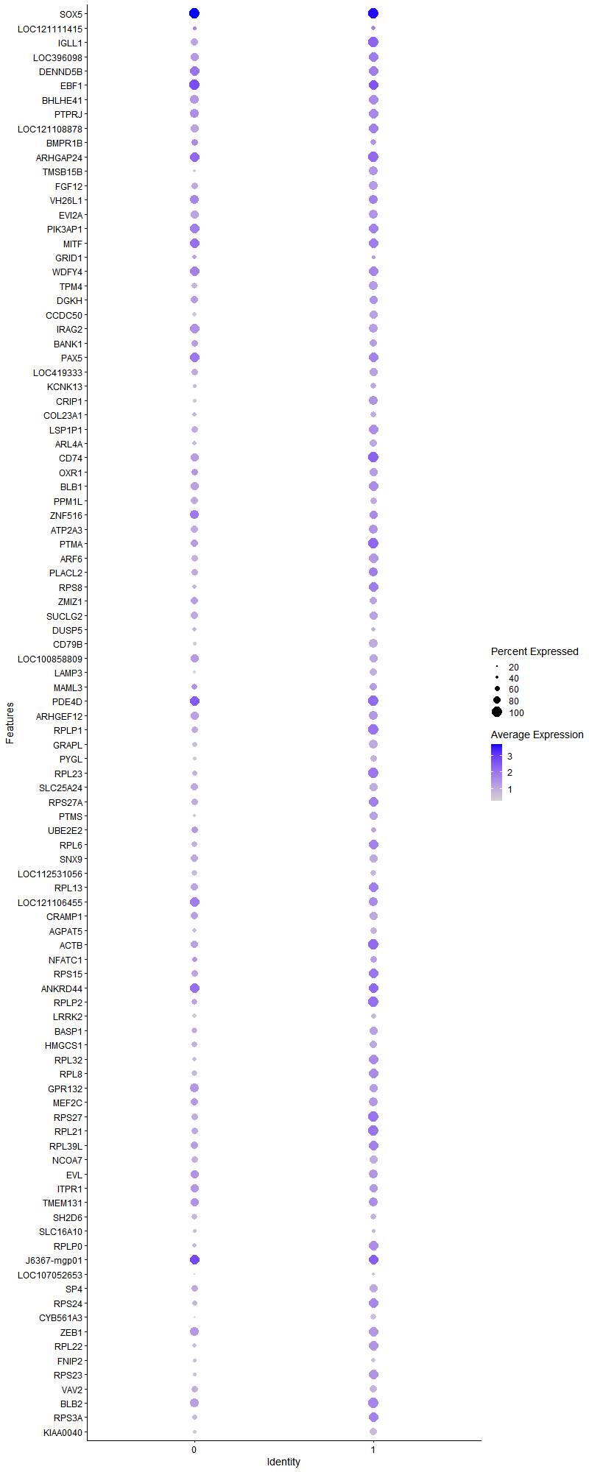
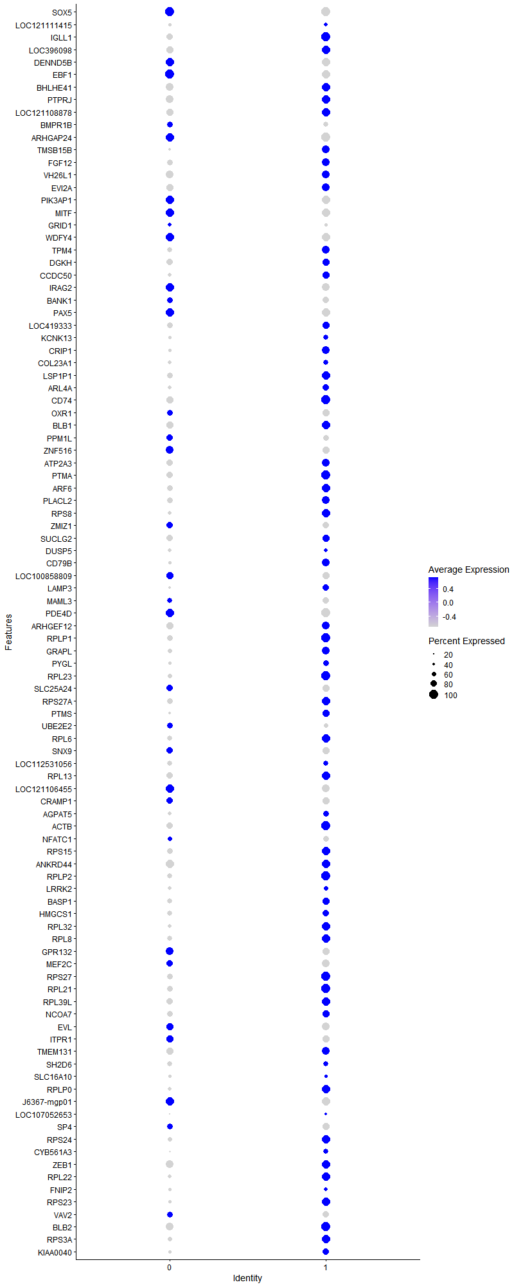
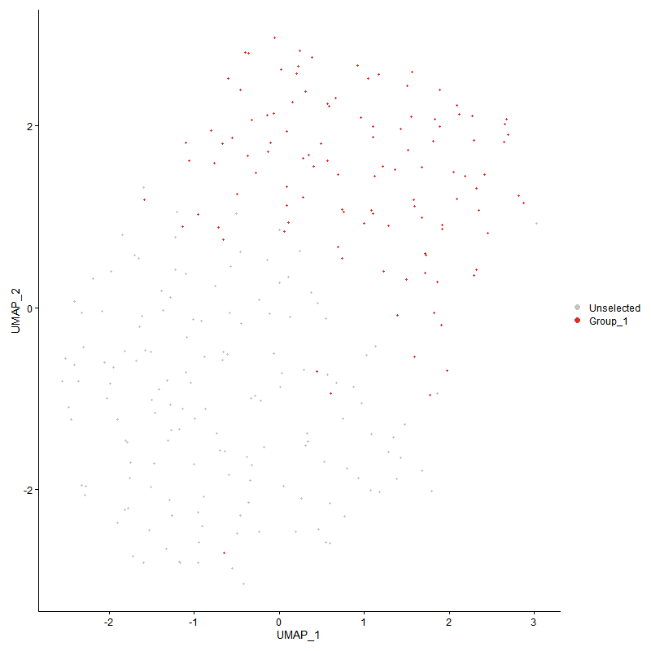
 | p_val | avg_log2FC | pct.1 | pct.2 | p_val_adj | cluster | gene | description
SOX51 | 0 | 4.4837404286 | 1 | 0.05 | 0 | 1 | SOX5 | SOX5 - SOX5 - SRY-box transcription factor 5 - This gene encodes a member of the SOX (SRY-related HMG-box) family of transcription factors involved in the regulation of embryonic development and in the determination of the cell fate. The encoded protein may act as a transcriptional regulator after forming a protein complex with other proteins. The encoded protein may play a role in chondrogenesis. A pseudogene of this gene is located on chromosome 8. Multiple transcript variants encoding distinct isoforms have been identified for this gene. [provided by RefSeq, Jul 2008]
LOC1211114151 | 0 | 2.3210109412 | 0.482 | 0.004 | 0 | 1 | LOC121111415 | LOC121111415 - LOC121111415 - uncharacterized LOC121111415 -
IGLL11 | 4.367258411E-155 | 2.2487011448 | 1 | 0.163 | 6.6692403194E-151 | 1 | IGLL1 | IGLL1 - IGLL1 - immunoglobulin lambda like polypeptide 1 - The preB cell receptor is found on the surface of proB and preB cells, where it is involved in transduction of signals for cellular proliferation, differentiation from the proB cell to the preB cell stage, allelic exclusion at the Ig heavy chain gene locus, and promotion of Ig light chain gene rearrangements. The preB cell receptor is composed of a membrane-bound Ig mu heavy chain in association with a heterodimeric surrogate light chain. This gene encodes one of the surrogate light chain subunits and is a member of the immunoglobulin gene superfamily. This gene does not undergo rearrangement. Mutations in this gene can result in B cell deficiency and agammaglobulinemia, an autosomal recessive disease in which few or no gamma globulins or antibodies are made. Two transcript variants encoding different isoforms have been found for this gene. [provided by RefSeq, Jul 2008]
LOC3960981 | 7.3600770625E-177 | 2.1956821802 | 0.973 | 0.132 | 1.1239573682E-172 | 1 | LOC396098 | LOC396098 - LOC396098 - B6.1 -
DENND5B1 | 9.4845427819E-172 | 2.0885449187 | 0.955 | 0.121 | 1.4483845282E-167 | 1 | DENND5B | DENND5B - DENND5B - DENN domain containing 5B - Enables guanyl-nucleotide exchange factor activity. Predicted to be involved in positive regulation of triglyceride transport and regulation of catalytic activity. Predicted to be located in cytosol. [provided by Alliance of Genome Resources, Apr 2022]
EBF11 | 7.1873935822E-99 | 1.8247444131 | 0.991 | 0.182 | 1.0975868739E-94 | 1 | EBF1 | EBF1 - EBF1 - EBF transcription factor 1 - Predicted to enable DNA-binding transcription activator activity, RNA polymerase II-specific and RNA polymerase II cis-regulatory region sequence-specific DNA binding activity. Predicted to be involved in positive regulation of transcription by RNA polymerase II. Predicted to act upstream of or within positive regulation of transcription, DNA-templated. Predicted to be located in nucleus. Predicted to be part of chromatin. [provided by Alliance of Genome Resources, Apr 2022]
BHLHE411 | 1.6880706394E-161 | 1.823826755 | 0.982 | 0.14 | 2.5778526734E-157 | 1 | BHLHE41 | BHLHE41 - BHLHE41 - basic helix-loop-helix family member e41 - This gene encodes a basic helix-loop-helix protein expressed in various tissues. The encoded protein can interact with ARNTL or compete for E-box binding sites in the promoter of PER1 and repress CLOCK/ARNTL's transactivation of PER1. This gene is believed to be involved in the control of circadian rhythm and cell differentiation. Defects in this gene are associated with the short sleep phenotype. [provided by RefSeq, Feb 2014]
PTPRJ1 | 7.7407563644E-119 | 1.7697677039 | 0.973 | 0.185 | 1.1820909044E-114 | 1 | PTPRJ | PTPRJ - PTPRJ - protein tyrosine phosphatase receptor type J - The protein encoded by this gene is a member of the protein tyrosine phosphatase (PTP) family. PTPs are known to be signaling molecules that regulate a variety of cellular processes, including cell growth, differentiation, mitotic cycle, and oncogenic transformation. This PTP possesses an extracellular region containing five fibronectin type III repeats, a single transmembrane region, and a single intracytoplasmic catalytic domain, and thus represents a receptor-type PTP. This protein is present in all hematopoietic lineages, and was shown to negatively regulate T cell receptor signaling possibly through interfering with the phosphorylation of Phospholipase C Gamma 1 and Linker for Activation of T Cells. This protein can also dephosphorylate the PDGF beta receptor, and may be involved in UV-induced signal transduction. Multiple transcript variants encoding different isoforms have been found for this gene. [provided by RefSeq, Jul 2008]
LOC1211088781 | 3.8518281991E-106 | 1.7206287125 | 0.973 | 0.205 | 5.8821268428E-102 | 1 | LOC121108878 | LOC121108878 - LOC121108878 - B-cell antigen receptor complex-associated protein alpha chain-like -
BMPR1B1 | 4.0160033797E-224 | 1.7195477418 | 0.607 | 0.034 | 6.1328387611E-220 | 1 | BMPR1B | BMPR1B - BMPR1B - bone morphogenetic protein receptor type 1B - This gene encodes a member of the bone morphogenetic protein (BMP) receptor family of transmembrane serine/threonine kinases. The ligands of this receptor are BMPs, which are members of the TGF-beta superfamily. BMPs are involved in endochondral bone formation and embryogenesis. These proteins transduce their signals through the formation of heteromeric complexes of 2 different types of serine (threonine) kinase receptors: type I receptors of about 50-55 kD and type II receptors of about 70-80 kD. Type II receptors bind ligands in the absence of type I receptors, but they require their respective type I receptors for signaling, whereas type I receptors require their respective type II receptors for ligand binding. Mutations in this gene have been associated with primary pulmonary hypertension. Several transcript variants encoding two different isoforms have been found for this gene. [provided by RefSeq, Feb 2012]
ARHGAP241 | 1.5921720833E-71 | 1.6452749263 | 1 | 0.298 | 2.4314059885E-67 | 1 | ARHGAP24 | ARHGAP24 - ARHGAP24 - Rho GTPase activating protein 24 - This gene encodes a Rho-GTPase activating protein, which is specific for the small GTPase family member Rac. Binding of the encoded protein by filamin A targets it to sites of membrane protrusion, where it antognizes Rac. This results in suppression of lamellae formation and promotion of retraction to regulate cell polarity. Alternative splicing results in multiple transcript variants. [provided by RefSeq, Sep 2016]
TMSB15B1 | 5.9655318586E-141 | 1.6415273902 | 0.866 | 0.119 | 9.1099637013E-137 | 1 | TMSB15B | TMSB15B - TMSB15A - thymosin beta 15A - Predicted to enable actin monomer binding activity. Involved in positive regulation of cell migration. Predicted to be located in cytoskeleton. Predicted to be active in cytoplasm. [provided by Alliance of Genome Resources, Apr 2022]
FGF121 | 2.6410120057E-300 | 1.6241776905 | 0.866 | 0.054 | 4.0330894339E-296 | 1 | FGF12 | FGF12 - FGF12 - fibroblast growth factor 12 - The protein encoded by this gene is a member of the fibroblast growth factor (FGF) family. FGF family members possess broad mitogenic and cell survival activities, and are involved in a variety of biological processes, including embryonic development, cell growth, morphogenesis, tissue repair, tumor growth, and invasion. This growth factor lacks the N-terminal signal sequence present in most of the FGF family members, but it contains clusters of basic residues that have been demonstrated to act as a nuclear localization signal. When transfected into mammalian cells, this protein accumulated in the nucleus, but was not secreted. The specific function of this gene has not yet been determined. [provided by RefSeq, Dec 2019]
VH26L11 | 1.4948755327E-89 | 1.5600729664 | 0.884 | 0.169 | 2.282824426E-85 | 1 | VH26L1 | VH26L1 - VH26L1 - Immunoglobulin heavy chain V-III region VH26-like 1 -
EVI2A1 | 1.4665725462E-97 | 1.5403530609 | 0.884 | 0.185 | 2.2396029353E-93 | 1 | EVI2A | EVI2A - EVI2A - ecotropic viral integration site 2A - Predicted to be integral component of membrane. [provided by Alliance of Genome Resources, Apr 2022]
PIK3AP11 | 4.6284119103E-65 | 1.5220672123 | 0.964 | 0.317 | 7.0680478282E-61 | 1 | PIK3AP1 | PIK3AP1 - PIK3AP1 - phosphoinositide-3-kinase adaptor protein 1 - Predicted to enable phosphatidylinositol 3-kinase regulatory subunit binding activity and signaling receptor binding activity. Predicted to be involved in regulation of inflammatory response; regulation of signal transduction; and toll-like receptor signaling pathway. Predicted to be located in cytoplasm and membrane. Predicted to be active in cytosol. [provided by Alliance of Genome Resources, Apr 2022]
MITF1 | 4.4342009589E-64 | 1.4823873907 | 0.946 | 0.278 | 6.7714682844E-60 | 1 | MITF | MITF - MITF - melanocyte inducing transcription factor - The protein encoded by this gene is a transcription factor that contains both basic helix-loop-helix and leucine zipper structural features. The encoded protein regulates melanocyte development and is responsible for pigment cell-specific transcription of the melanogenesis enzyme genes. Heterozygous mutations in the this gene cause auditory-pigmentary syndromes, such as Waardenburg syndrome type 2 and Tietz syndrome. [provided by RefSeq, Aug 2017]
GRID11 | 3.0594578972E-119 | 1.477450112 | 0.429 | 0.031 | 4.6720981548E-115 | 1 | GRID1 | GRID1 - GRID1 - glutamate ionotropic receptor delta type subunit 1 - This gene encodes a subunit of glutamate receptor channels. These channels mediate most of the fast excitatory synaptic transmission in the central nervous system and play key roles in synaptic plasticity.[provided by RefSeq, Jan 2009]
WDFY41 | 3.0893969929E-85 | 1.4604610122 | 0.946 | 0.21 | 4.7178181478E-81 | 1 | WDFY4 | WDFY4 - WDFY4 - WDFY family member 4 - Predicted to be involved in autophagy. Predicted to act upstream of or within with a positive effect on CD8-positive, alpha-beta T cell activation. Predicted to act upstream of or within antigen processing and presentation and cellular response to virus. Predicted to be located in early endosome and endoplasmic reticulum. [provided by Alliance of Genome Resources, Apr 2022]
TPM41 | 4.7436997027E-102 | 1.4396538792 | 0.857 | 0.173 | 7.244103816E-98 | 1 | TPM4 | TPM4 - TPM4 - tropomyosin 4 - This gene encodes a member of the tropomyosin family of actin-binding proteins involved in the contractile system of striated and smooth muscles and the cytoskeleton of non-muscle cells. Tropomyosins are dimers of coiled-coil proteins that polymerize end-to-end along the major groove in most actin filaments. They provide stability to the filaments and regulate access of other actin-binding proteins. In muscle cells, they regulate muscle contraction by controlling the binding of myosin heads to the actin filament. Multiple transcript variants encoding different isoforms have been found for this gene. [provided by RefSeq, Nov 2009]
DGKH1 | 8.1210829775E-73 | 1.4197786955 | 0.812 | 0.185 | 1.2401705815E-68 | 1 | DGKH | DGKH - DGKH - diacylglycerol kinase eta - This gene encodes a member of the diacylglycerol kinase (DGK) enzyme family. Members of this family are involved in regulating intracellular concentrations of diacylglycerol and phosphatidic acid. Variation in this gene has been associated with bipolar disorder. Alternatively spliced transcript variants have been identified. [provided by RefSeq, Jul 2014]
CCDC501 | 4.225184558E-163 | 1.4131797227 | 0.866 | 0.103 | 6.4522793386E-159 | 1 | CCDC50 | CCDC50 - CCDC50 - coiled-coil domain containing 50 - This gene encodes a soluble, cytoplasmic, tyrosine-phosphorylated protein with multiple ubiquitin-interacting domains. Mutations in this gene cause nonsyndromic, postlingual, progressive sensorineural DFNA44 hearing loss. In mouse, the protein is expressed in the inner ear during development and postnatal maturation and associates with microtubule-based structures. This protein may also function as a negative regulator of NF-kB signaling and as an effector of epidermal growth factor (EGF)-mediated cell signaling. Alternative splicing results in multiple transcript variants encoding distinct isoforms. [provided by RefSeq, Oct 2008]
IRAG21 | 3.8285096578E-125 | 1.4069279659 | 0.857 | 0.129 | 5.8465170985E-121 | 1 | IRAG2 | IRAG2 - IRAG2 - inositol 1,4,5-triphosphate receptor associated 2 - The protein encode dby this gene is expressed in a developmentally regulated manner in lymphoid cell lines and tissues. The protein is localized to the cytoplasmic face of the endoplasmic reticulum. [provided by RefSeq, Jul 2008]
BANK11 | 2.9140335993E-141 | 1.3849882261 | 0.75 | 0.083 | 4.4500207095E-137 | 1 | BANK1 | BANK1 - BANK1 - B cell scaffold protein with ankyrin repeats 1 - The protein encoded by this gene is a B-cell-specific scaffold protein that functions in B-cell receptor-induced calcium mobilization from intracellular stores. This protein can also promote Lyn-mediated tyrosine phosphorylation of inositol 1,4,5-trisphosphate receptors. Polymorphisms in this gene are associated with susceptibility to systemic lupus erythematosus. Alternative splicing results in multiple transcript variants. [provided by RefSeq, Oct 2009]
PAX51 | 1.5262174041E-91 | 1.3473744181 | 0.955 | 0.174 | 2.3306865977E-87 | 1 | PAX5 | PAX5 - PAX5 - paired box 5 - This gene encodes a member of the paired box (PAX) family of transcription factors. The central feature of this gene family is a novel, highly conserved DNA-binding motif, known as the paired box. Paired box transcription factors are important regulators in early development, and alterations in the expression of their genes are thought to contribute to neoplastic transformation. This gene encodes the B-cell lineage specific activator protein that is expressed at early, but not late stages of B-cell differentiation. Its expression has also been detected in developing CNS and testis and so the encoded protein may also play a role in neural development and spermatogenesis. This gene is located at 9p13, which is involved in t(9;14)(p13;q32) translocations recurring in small lymphocytic lymphomas of the plasmacytoid subtype, and in derived large-cell lymphomas. This translocation brings the potent E-mu enhancer of the IgH gene into close proximity of the PAX5 promoter, suggesting that the deregulation of transcription of this gene contributes to the pathogenesis of these lymphomas. Alternative splicing results in multiple transcript variants encoding different isoforms. [provided by RefSeq, Jul 2013]
LOC4193331 | 2.2726645527E-144 | 1.3332540798 | 0.804 | 0.097 | 3.4705860384E-140 | 1 | LOC419333 | LOC419333 - LOC419333 - formin-like protein 16-like -
KCNK131 | 1.4615396933E-159 | 1.3131357018 | 0.607 | 0.049 | 2.2319172656E-155 | 1 | KCNK13 | KCNK13 - KCNK13 - potassium two pore domain channel subfamily K member 13 - Potassium channels represent the most complex class of voltage-gated ion channels from both functional and structural standpoints. Their diverse functions include regulating neurotransmitter release, heart rate, insulin secretion, neuronal excitability, epithelial electrolyte transport, smooth muscle contraction, and cell volume. This gene encodes a potassium channel containing two pore-forming domains. This protein is an open channel that can be stimulated by arachidonic acid and inhibited by the anesthetic halothane. [provided by RefSeq, Jul 2013]
CRIP1 | 8.5676656229E-58 | 1.2846217277 | 0.884 | 0.286 | 1.3083682173E-53 | 1 | CRIP1 | CRIP1 - CRIP1 - cysteine rich protein 1 - Cysteine-rich intestinal protein (CRIP) belongs to the LIM/double zinc finger protein family, members of which include cysteine- and glycine-rich protein-1 (CSRP1; MIM 123876), rhombotin-1 (RBTN1; MIM 186921), rhombotin-2 (RBTN2; MIM 180385), and rhombotin-3 (RBTN3; MIM 180386). CRIP may be involved in intestinal zinc transport (Hempe and Cousins, 1991 [PubMed 1946385]).[supplied by OMIM, Mar 2008]
COL23A11 | 0 | 1.2707494112 | 0.616 | 0.007 | 0 | 1 | COL23A1 | COL23A1 - COL23A1 - collagen type XXIII alpha 1 chain - COL23A1 is a member of the transmembrane collagens, a subfamily of the nonfibrillar collagens that contain a single pass hydrophobic transmembrane domain (Banyard et al., 2003 [PubMed 12644459]).[supplied by OMIM, Mar 2008]
LSP1P11 | 5.1207146793E-49 | 1.2510397079 | 0.929 | 0.415 | 7.8198433868E-45 | 1 | LSP1P1 | LSP1P1 - LSP1P1 - LSP1 pseudogene 1 -
ARL4A1 | 4.3910160728E-113 | 1.2322590024 | 0.714 | 0.097 | 6.7055206447E-109 | 1 | ARL4A | ARL4A - ARL4A - ADP ribosylation factor like GTPase 4A - ADP-ribosylation factor-like 4A is a member of the ADP-ribosylation factor family of GTP-binding proteins. ARL4A is similar to ARL4C and ARL4D and each has a nuclear localization signal and an unusually high guaninine nucleotide exchange rate. ARL4A is located in both the nuclear and extranuclear cell compartments. Multiple transcript variants encoding the same protein have been found for this gene. [provided by RefSeq, Jul 2008]
CD74 | 2.3555140233E-45 | 1.2180509773 | 1 | 0.373 | 3.597105465E-41 | 1 | CD74 | CD74 - CD74 - CD74 molecule - The protein encoded by this gene associates with class II major histocompatibility complex (MHC) and is an important chaperone that regulates antigen presentation for immune response. It also serves as cell surface receptor for the cytokine macrophage migration inhibitory factor (MIF) which, when bound to the encoded protein, initiates survival pathways and cell proliferation. This protein also interacts with amyloid precursor protein (APP) and suppresses the production of amyloid beta (Abeta). Multiple alternatively spliced transcript variants encoding different isoforms have been identified. [provided by RefSeq, Aug 2011]
OXR11 | 9.3726996624E-50 | 1.2144084883 | 0.786 | 0.24 | 1.4313049654E-45 | 1 | OXR1 | OXR1 - HCRTR1 - hypocretin receptor 1 - The protein encoded by this gene is a G-protein coupled receptor involved in the regulation of feeding behavior. The encoded protein selectively binds the hypothalamic neuropeptide orexin A. A related gene (HCRTR2) encodes a G-protein coupled receptor that binds orexin A and orexin B. [provided by RefSeq, Jan 2009]
BLB11 | 4.7556319728E-58 | 1.202360736 | 0.964 | 0.292 | 7.2623255857E-54 | 1 | BLB1 | BLB1 - BLB1 - Major histocompatibility complex class II beta chain BLB1 -
PPM1L1 | 1.7434946348E-196 | 1.1912962894 | 0.679 | 0.05 | 2.6624906568E-192 | 1 | PPM1L | PPM1L - PPM1L - protein phosphatase, Mg2+/Mn2+ dependent 1L - The protein encoded by this gene is a magnesium or manganese-requiring phosphatase that is involved in several signaling pathways. The encoded protein downregulates apoptosis signal-regulating kinase 1, a protein that initiates a signaling cascade that leads to apoptosis when cells are subjected to cytotoxic stresses. This protein also is an endoplasmic reticulum transmembrane protein that helps regulate ceramide transport from the endoplasmic reticulum to the Golgi apparatus. Finally, this gene may be involved in adiposity since it is upregulated in adipose tissues. Several transcript variants encoding different isoforms have been found for this gene. [provided by RefSeq, Dec 2015]
ZNF5161 | 5.8888695047E-45 | 1.1868042399 | 0.839 | 0.269 | 8.9928926206E-41 | 1 | ZNF516 | ZNF516 - ZNF516 - zinc finger protein 516 - Zinc-finger proteins bind nucleic acids and play important roles in various cellular functions, including cell proliferation, differentiation, and apoptosis. This gene encodes a zinc-finger protein, and belongs to the krueppel C2H2-type zinc-finger protein family. It may be involved in transcriptional regulation. [provided by RefSeq, Sep 2012]
ATP2A31 | 7.3304478964E-46 | 1.185846015 | 0.893 | 0.355 | 1.1194326983E-41 | 1 | ATP2A3 | ATP2A3 - ATP2A3 - ATPase sarcoplasmic/endoplasmic reticulum Ca2+ transporting 3 - This gene encodes one of the SERCA Ca(2+)-ATPases, which are intracellular pumps located in the sarcoplasmic or endoplasmic reticula of muscle cells. This enzyme catalyzes the hydrolysis of ATP coupled with the translocation of calcium from the cytosol to the sarcoplasmic reticulum lumen, and is involved in calcium sequestration associated with muscular excitation and contraction. Alternative splicing results in multiple transcript variants encoding different isoforms. [provided by RefSeq, Jul 2008]
PTMA | 7.80830882E-39 | 1.1789399393 | 1 | 0.789 | 1.1924068399E-34 | 1 | PTMA | PTMA - PTMA - prothymosin alpha - Enables DNA-binding transcription factor binding activity. Involved in negative regulation of apoptotic process. Located in cytosol and nucleoplasm. [provided by Alliance of Genome Resources, Apr 2022]
ARF61 | 4.6501544076E-58 | 1.1610298423 | 0.955 | 0.366 | 7.1012507959E-54 | 1 | ARF6 | ARF6 - ARF6 - ADP ribosylation factor 6 - This gene encodes a member of the human ARF gene family, which is part of the RAS superfamily. The ARF genes encode small guanine nucleotide-binding proteins that stimulate the ADP-ribosyltransferase activity of cholera toxin and play a role in vesicular trafficking and as activators of phospholipase D. The product of this gene is localized to the plasma membrane, and regulates vesicular trafficking, remodelling of membrane lipids, and signaling pathways that lead to actin remodeling. A pseudogene of this gene is located on chromosome 7. [provided by RefSeq, Jul 2008]
PLACL2 | 1.6392477877E-32 | 1.1605513152 | 0.902 | 0.519 | 2.5032952966E-28 | 1 | PLACL2 | PLACL2 - PLACL2 - PLAC8 like 2 -
RPS8 | 1.115001161E-34 | 1.1037858211 | 0.964 | 0.578 | 1.7027182729E-30 | 1 | RPS8 | RPS8 - RPS8 - ribosomal protein S8 - Ribosomes, the organelles that catalyze protein synthesis, consist of a small 40S subunit and a large 60S subunit. Together these subunits are composed of 4 RNA species and approximately 80 structurally distinct proteins. This gene encodes a ribosomal protein that is a component of the 40S subunit. The protein belongs to the S8E family of ribosomal proteins. It is located in the cytoplasm. Increased expression of this gene in colorectal tumors and colon polyps compared to matched normal colonic mucosa has been observed. This gene is co-transcribed with the small nucleolar RNA genes U38A, U38B, U39, and U40, which are located in its fourth, fifth, first, and second introns, respectively. As is typical for genes encoding ribosomal proteins, there are multiple processed pseudogenes of this gene dispersed through the genome. [provided by RefSeq, Jul 2008]
ZMIZ11 | 3.0113291858E-83 | 1.0988322934 | 0.759 | 0.133 | 4.5986007996E-79 | 1 | ZMIZ1 | ZMIZ1 - ZMIZ1 - zinc finger MIZ-type containing 1 - This gene encodes a member of the PIAS (protein inhibitor of activated STAT) family of proteins. The encoded protein regulates the activity of various transcription factors, including the androgen receptor, Smad3/4, and p53. The encoded protein may also play a role in sumoylation. A translocation between this locus on chromosome 10 and the protein tyrosine kinase ABL1 locus on chromosome 9 has been associated with acute lymphoblastic leukemia. [provided by RefSeq, Mar 2010]
SUCLG21 | 3.1708874124E-59 | 1.0835236228 | 0.786 | 0.198 | 4.8422621675E-55 | 1 | SUCLG2 | SUCLG2 - SUCLG2 - succinate-CoA ligase GDP-forming subunit beta - This gene encodes a GTP-specific beta subunit of succinyl-CoA synthetase. Succinyl-CoA synthetase catalyzes the reversible reaction involving the formation of succinyl-CoA and succinate. Alternate splicing results in multiple transcript variants. Pseudogenes of this gene are found on chromosomes 5 and 12. [provided by RefSeq, Apr 2010]
DUSP51 | 5.2355630284E-66 | 1.0775043875 | 0.527 | 0.085 | 7.9952283007E-62 | 1 | DUSP5 | DUSP5 - DUSP5 - dual specificity phosphatase 5 - The protein encoded by this gene is a member of the dual specificity protein phosphatase subfamily. These phosphatases inactivate their target kinases by dephosphorylating both the phosphoserine/threonine and phosphotyrosine residues. They negatively regulate members of the mitogen-activated protein (MAP) kinase superfamily (MAPK/ERK, SAPK/JNK, p38), which are associated with cellular proliferation and differentiation. Different members of the family of dual specificity phosphatases show distinct substrate specificities for various MAP kinases, different tissue distribution and subcellular localization, and different modes of inducibility of their expression by extracellular stimuli. This gene product inactivates ERK1, is expressed in a variety of tissues with the highest levels in pancreas and brain, and is localized in the nucleus. [provided by RefSeq, Jul 2008]
CD79B1 | 4.5751600874E-127 | 1.0761501792 | 0.857 | 0.119 | 6.9867269695E-123 | 1 | CD79B | CD79B - CD79B - CD79b molecule - The B lymphocyte antigen receptor is a multimeric complex that includes the antigen-specific component, surface immunoglobulin (Ig). Surface Ig non-covalently associates with two other proteins, Ig-alpha and Ig-beta, which are necessary for expression and function of the B-cell antigen receptor. This gene encodes the Ig-beta protein of the B-cell antigen component. Alternatively spliced transcript variants encoding different isoforms have been described. [provided by RefSeq, Jul 2008]
LOC1008588091 | 1.384081004E-72 | 1.0608864213 | 0.786 | 0.166 | 2.1136301012E-68 | 1 | LOC100858809 | LOC100858809 - LOC100858809 - uncharacterized LOC100858809 -
LAMP31 | 2.8581748913E-196 | 1.0450598072 | 0.723 | 0.056 | 4.3647188765E-192 | 1 | LAMP3 | LAMP3 - CD63 - CD63 molecule - The protein encoded by this gene is a member of the transmembrane 4 superfamily, also known as the tetraspanin family. Most of these members are cell-surface proteins that are characterized by the presence of four hydrophobic domains. The proteins mediate signal transduction events that play a role in the regulation of cell development, activation, growth and motility. The encoded protein is a cell surface glycoprotein that is known to complex with integrins. It may function as a blood platelet activation marker. Deficiency of this protein is associated with Hermansky-Pudlak syndrome. Also this gene has been associated with tumor progression. Alternative splicing results in multiple transcript variants encoding different protein isoforms. [provided by RefSeq, Apr 2012]
MAML31 | 7.1085661196E-41 | 1.0375867106 | 0.723 | 0.218 | 1.0855491321E-36 | 1 | MAML3 | MAML3 - MAML3 - mastermind like transcriptional coactivator 3 - Enables transcription coactivator activity. Involved in Notch signaling pathway and positive regulation of transcription by RNA polymerase II. Located in nuclear speck. [provided by Alliance of Genome Resources, Apr 2022]
PDE4D1 | 5.8496832277E-35 | 1.0374648583 | 1 | 0.513 | 8.933051257E-31 | 1 | PDE4D | PDE4D - PDE4D - phosphodiesterase 4D - This gene encodes one of four mammalian counterparts to the fruit fly 'dunce' gene. The encoded protein has 3',5'-cyclic-AMP phosphodiesterase activity and degrades cAMP, which acts as a signal transduction molecule in multiple cell types. This gene uses different promoters to generate multiple alternatively spliced transcript variants that encode functional proteins.[provided by RefSeq, Sep 2009]
ARHGEF121 | 4.464448803E-45 | 1.0256013969 | 0.866 | 0.304 | 6.817659767E-41 | 1 | ARHGEF12 | ARHGEF12 - ARHGEF12 - Rho guanine nucleotide exchange factor 12 - Rho GTPases play a fundamental role in numerous cellular processes that are initiated by extracellular stimuli working through G protein-coupled receptors. The encoded protein may form a complex with G proteins and stimulate Rho-dependent signals. This protein has been observed to form a myeloid/lymphoid fusion partner in acute myeloid leukemia. Three transcript variants encoding different isoforms have been found for this gene. [provided by RefSeq, Jul 2014]
RPLP1 | 2.0492485762E-32 | 1.0177307577 | 0.982 | 0.685 | 3.1294075007E-28 | 1 | RPLP1 | RPLP1 - RPLP1 - ribosomal protein lateral stalk subunit P1 - Ribosomes, the organelles that catalyze protein synthesis, consist of a small 40S subunit and a large 60S subunit. Together these subunits are composed of 4 RNA species and approximately 80 structurally distinct proteins. This gene encodes a ribosomal phosphoprotein that is a component of the 60S subunit. The protein, which is a functional equivalent of the E. coli L7/L12 ribosomal protein, belongs to the L12P family of ribosomal proteins. It plays an important role in the elongation step of protein synthesis. Unlike most ribosomal proteins, which are basic, the encoded protein is acidic. Its C-terminal end is nearly identical to the C-terminal ends of the ribosomal phosphoproteins P0 and P2. The P1 protein can interact with P0 and P2 to form a pentameric complex consisting of P1 and P2 dimers, and a P0 monomer. The protein is located in the cytoplasm. Two alternatively spliced transcript variants that encode different proteins have been observed. As is typical for genes encoding ribosomal proteins, there are multiple processed pseudogenes of this gene dispersed through the genome. [provided by RefSeq, Jul 2008]
GRAPL1 | 2.6130668107E-84 | 0.99497550493 | 0.866 | 0.183 | 3.9904143266E-80 | 1 | GRAPL | GRAPL - GRAPL - GRB2 related adaptor protein like - Predicted to enable receptor tyrosine kinase binding activity and signaling adaptor activity. Predicted to be involved in cell migration and signal transduction. [provided by Alliance of Genome Resources, Apr 2022]
PYGL1 | 4.0071881298E-171 | 0.99453092227 | 0.67 | 0.056 | 6.119376993E-167 | 1 | PYGL | PYGL - PYGL - glycogen phosphorylase L - This gene encodes a homodimeric protein that catalyses the cleavage of alpha-1,4-glucosidic bonds to release glucose-1-phosphate from liver glycogen stores. This protein switches from inactive phosphorylase B to active phosphorylase A by phosphorylation of serine residue 15. Activity of this enzyme is further regulated by multiple allosteric effectors and hormonal controls. Humans have three glycogen phosphorylase genes that encode distinct isozymes that are primarily expressed in liver, brain and muscle, respectively. The liver isozyme serves the glycemic demands of the body in general while the brain and muscle isozymes supply just those tissues. In glycogen storage disease type VI, also known as Hers disease, mutations in liver glycogen phosphorylase inhibit the conversion of glycogen to glucose and results in moderate hypoglycemia, mild ketosis, growth retardation and hepatomegaly. Alternative splicing results in multiple transcript variants encoding different isoforms.[provided by RefSeq, Feb 2011]
RPL23 | 9.6492977685E-34 | 0.9930619796 | 1 | 0.648 | 1.4735442622E-29 | 1 | RPL23 | RPL23 - RPL23 - ribosomal protein L23 - Ribosomes, the organelles that catalyze protein synthesis, consist of a small 40S subunit and a large 60S subunit. Together these subunits are composed of 4 RNA species and approximately 80 structurally distinct proteins. This gene encodes a ribosomal protein that is a component of the 60S subunit. The protein belongs to the L14P family of ribosomal proteins. It is located in the cytoplasm. This gene has been referred to as rpL17 because the encoded protein shares amino acid identity with ribosomal protein L17 from Saccharomyces cerevisiae; however, its official symbol is RPL23. As is typical for genes encoding ribosomal proteins, there are multiple processed pseudogenes of this gene dispersed through the genome. [provided by RefSeq, Jul 2008]
SLC25A241 | 2.0375532721E-76 | 0.98698932885 | 0.804 | 0.17 | 3.1115476018E-72 | 1 | SLC25A24 | SLC25A24 - SLC25A24 - solute carrier family 25 member 24 - This gene encodes a carrier protein that transports ATP-Mg exchanging it for phosphate. Multiple transcript variants encoding different isoforms have been found for this gene. [provided by RefSeq, May 2012]
RPS27A | 6.168656378E-35 | 0.98538562815 | 0.982 | 0.615 | 9.4201551548E-31 | 1 | RPS27A | RPS27A - RPS27A - ribosomal protein S27a - Ubiquitin, a highly conserved protein that has a major role in targeting cellular proteins for degradation by the 26S proteosome, is synthesized as a precursor protein consisting of either polyubiquitin chains or a single ubiquitin fused to an unrelated protein. This gene encodes a fusion protein consisting of ubiquitin at the N terminus and ribosomal protein S27a at the C terminus. When expressed in yeast, the protein is post-translationally processed, generating free ubiquitin monomer and ribosomal protein S27a. Ribosomal protein S27a is a component of the 40S subunit of the ribosome and belongs to the S27AE family of ribosomal proteins. It contains C4-type zinc finger domains and is located in the cytoplasm. Pseudogenes derived from this gene are present in the genome. As with ribosomal protein S27a, ribosomal protein L40 is also synthesized as a fusion protein with ubiquitin; similarly, ribosomal protein S30 is synthesized as a fusion protein with the ubiquitin-like protein fubi. Multiple alternatively spliced transcript variants that encode the same proteins have been identified.[provided by RefSeq, Sep 2008]
PTMS | 3.199126834E-40 | 0.98162019989 | 0.812 | 0.289 | 4.8853865881E-36 | 1 | PTMS | PTMS - PTMS - parathymosin - Predicted to be involved in DNA replication. Predicted to be located in nucleus. [provided by Alliance of Genome Resources, Apr 2022]
UBE2E21 | 4.2996325564E-41 | 0.97815290618 | 0.536 | 0.119 | 6.5659688769E-37 | 1 | UBE2E2 | UBE2E2 - UBE2E2 - ubiquitin conjugating enzyme E2 E2 - Enables ISG15 transferase activity and ubiquitin conjugating enzyme activity. Involved in protein modification by small protein conjugation. Acts upstream of or within cellular response to DNA damage stimulus and positive regulation of G1/S transition of mitotic cell cycle. Predicted to be active in nucleus. [provided by Alliance of Genome Resources, Apr 2022]
RPL6 | 3.6070468377E-30 | 0.97090556477 | 0.938 | 0.59 | 5.5083212259E-26 | 1 | RPL6 | RPL6 - RPL6 - ribosomal protein L6 - This gene encodes a protein component of the 60S ribosomal subunit. This protein can bind specifically to domain C of the tax-responsive enhancer element of human T-cell leukemia virus type 1, and may participate in tax-mediated transactivation of transcription. As is typical for genes encoding ribosomal proteins, there are multiple processed pseudogenes of this gene dispersed throughout the genome. Alternative splicing results in multiple transcript variants. [provided by RefSeq, Feb 2016]
SNX91 | 5.1392116629E-58 | 0.96308469557 | 0.768 | 0.194 | 7.8480901305E-54 | 1 | SNX9 | SNX9 - SNX9 - sorting nexin 9 - This gene encodes a member of the sorting nexin family. Members of this family contain a phosphoinositide binding domain, and are involved in intracellular trafficking. The encoded protein does not contain a coiled coil region, like some family members, but does contain a SRC homology domain near its N-terminus. The encoded protein is reported to have a variety of interaction partners, including of adaptor protein 2 , dynamin, tyrosine kinase non-receptor 2, Wiskott-Aldrich syndrome-like, and ARP3 actin-related protein 3. The encoded protein is implicated in several stages of intracellular trafficking, including endocytosis, macropinocytosis, and F-actin nucleation. [provided by RefSeq, Jul 2013]
LOC1125310561 | 4.5742022394E-114 | 0.94356387287 | 0.58 | 0.061 | 6.9852642399E-110 | 1 | LOC112531056 | LOC112531056 - LOC112531056 - serine-rich adhesin for platelets-like -
RPL13 | 1.3511510025E-33 | 0.93514544263 | 0.991 | 0.661 | 2.063342696E-29 | 1 | RPL13 | RPL13 - RPL13 - ribosomal protein L13 - Ribosomes, the organelles that catalyze protein synthesis, consist of a small 40S subunit and a large 60S subunit. Together these subunits are composed of 4 RNA species and approximately 80 structurally distinct proteins. This gene encodes a ribosomal protein that is a component of the 60S subunit. The protein belongs to the L13E family of ribosomal proteins. It is located in the cytoplasm. This gene is expressed at significantly higher levels in benign breast lesions than in breast carcinomas. Alternatively spliced transcript variants encoding distinct isoforms have been found for this gene. As is typical for genes encoding ribosomal proteins, there are multiple processed pseudogenes of this gene dispersed through the genome. [provided by RefSeq, Jul 2011]
LOC1211064551 | 7.9630277846E-26 | 0.9347871866 | 0.875 | 0.435 | 1.216033973E-21 | 1 | LOC121106455 | LOC121106455 - LOC121106455 - ataxin 1 -
CRAMP11 | 8.0574501148E-44 | 0.90920684793 | 0.759 | 0.238 | 1.230453207E-39 | 1 | CRAMP1 | CRAMP1 - CRAMP1 - cramped chromatin regulator homolog 1 - Predicted to enable chromatin binding activity. Predicted to be involved in pattern specification process. Predicted to be active in nucleus. [provided by Alliance of Genome Resources, Apr 2022]
AGPAT51 | 4.2564873605E-84 | 0.90887529115 | 0.67 | 0.105 | 6.5000818482E-80 | 1 | AGPAT5 | AGPAT5 - AGPAT5 - 1-acylglycerol-3-phosphate O-acyltransferase 5 - This gene encodes a member of the 1-acylglycerol-3-phosphate O-acyltransferase family. This integral membrane protein converts lysophosphatidic acid to phosphatidic acid, the second step in de novo phospholipid biosynthesis. A pseudogene of this gene is present on the Y chromosome. [provided by RefSeq, Aug 2014]
ACTB | 2.0759881579E-27 | 0.90393043027 | 1 | 0.686 | 3.170241516E-23 | 1 | ACTB | ACTB - ACTB - actin beta - This gene encodes one of six different actin proteins. Actins are highly conserved proteins that are involved in cell motility, structure, integrity, and intercellular signaling. The encoded protein is a major constituent of the contractile apparatus and one of the two nonmuscle cytoskeletal actins that are ubiquitously expressed. Mutations in this gene cause Baraitser-Winter syndrome 1, which is characterized by intellectual disability with a distinctive facial appearance in human patients. Numerous pseudogenes of this gene have been identified throughout the human genome. [provided by RefSeq, Aug 2017]
NFATC11 | 4.1016789984E-25 | 0.90234933197 | 0.714 | 0.297 | 6.2636739985E-21 | 1 | NFATC1 | NFATC1 - NFATC1 - nuclear factor of activated T cells 1 - The product of this gene is a component of the nuclear factor of activated T cells DNA-binding transcription complex. This complex consists of at least two components: a preexisting cytosolic component that translocates to the nucleus upon T cell receptor (TCR) stimulation, and an inducible nuclear component. Proteins belonging to this family of transcription factors play a central role in inducible gene transcription during immune response. The product of this gene is an inducible nuclear component. It functions as a major molecular target for the immunosuppressive drugs such as cyclosporin A. Multiple alternatively spliced transcript variants encoding distinct isoforms have been identified for this gene. Different isoforms of this protein may regulate inducible expression of different cytokine genes. [provided by RefSeq, Jul 2013]
RPS15 | 2.9945773174E-28 | 0.89891500642 | 0.973 | 0.705 | 4.5730190213E-24 | 1 | RPS15 | RPS15 - RPS15 - ribosomal protein S15 - Ribosomes, the organelles that catalyze protein synthesis, consist of a small 40S subunit and a large 60S subunit. Together these subunits are composed of 4 RNA species and approximately 80 structurally distinct proteins. This gene encodes a ribosomal protein that is a component of the 40S subunit. The protein belongs to the S19P family of ribosomal proteins. It is located in the cytoplasm. This gene has been found to be activated in various tumors, such as insulinomas, esophageal cancers, and colon cancers. As is typical for genes encoding ribosomal proteins, there are multiple processed pseudogenes of this gene dispersed through the genome. Alternative splicing results in multiple transcript variants. [provided by RefSeq, Apr 2015]
ANKRD441 | 2.089297974E-27 | 0.89771790287 | 0.991 | 0.853 | 3.1905669361E-23 | 1 | ANKRD44 | ANKRD44 - ANKRD44 - ankyrin repeat domain 44 -
RPLP2 | 1.5557719976E-30 | 0.89068704228 | 1 | 0.708 | 2.3758194176E-26 | 1 | RPLP2 | RPLP2 - RPLP2 - ribosomal protein lateral stalk subunit P2 - Ribosomes, the organelles that catalyze protein synthesis, consist of a small 40S subunit and a large 60S subunit. Together these subunits are composed of 4 RNA species and approximately 80 structurally distinct proteins. This gene encodes a ribosomal phosphoprotein that is a component of the 60S subunit. The protein, which is a functional equivalent of the E. coli L7/L12 ribosomal protein, belongs to the L12P family of ribosomal proteins. It plays an important role in the elongation step of protein synthesis. Unlike most ribosomal proteins, which are basic, the encoded protein is acidic. Its C-terminal end is nearly identical to the C-terminal ends of the ribosomal phosphoproteins P0 and P1. The P2 protein can interact with P0 and P1 to form a pentameric complex consisting of P1 and P2 dimers, and a P0 monomer. The protein is located in the cytoplasm. As is typical for genes encoding ribosomal proteins, there are multiple processed pseudogenes of this gene dispersed through the genome. [provided by RefSeq, Jul 2008]
LRRK21 | 5.1962988449E-202 | 0.86775032688 | 0.518 | 0.027 | 7.935267966E-198 | 1 | LRRK2 | LRRK2 - LRRK2 - leucine rich repeat kinase 2 - This gene is a member of the leucine-rich repeat kinase family and encodes a protein with an ankryin repeat region, a leucine-rich repeat (LRR) domain, a kinase domain, a DFG-like motif, a RAS domain, a GTPase domain, a MLK-like domain, and a WD40 domain. The protein is present largely in the cytoplasm but also associates with the mitochondrial outer membrane. Mutations in this gene have been associated with Parkinson disease-8. [provided by RefSeq, Jul 2008]
BASP11 | 6.4380211246E-32 | 0.86632726328 | 0.777 | 0.291 | 9.8315020594E-28 | 1 | BASP1 | BASP1 - BASP1 - brain abundant membrane attached signal protein 1 - This gene encodes a membrane bound protein with several transient phosphorylation sites and PEST motifs. Conservation of proteins with PEST sequences among different species supports their functional significance. PEST sequences typically occur in proteins with high turnover rates. Immunological characteristics of this protein are species specific. This protein also undergoes N-terminal myristoylation. Alternative splicing results in multiple transcript variants that encode the same protein. [provided by RefSeq, Oct 2012]
HMGCS11 | 2.3098254994E-35 | 0.86114939699 | 0.688 | 0.223 | 3.5273345202E-31 | 1 | HMGCS1 | HMGCS1 - HMGCS1 - 3-hydroxy-3-methylglutaryl-CoA synthase 1 - Enables protein homodimerization activity. Predicted to be involved in acetyl-CoA metabolic process and farnesyl diphosphate biosynthetic process, mevalonate pathway. Predicted to be located in cytoplasm. Predicted to be active in cytosol. [provided by Alliance of Genome Resources, Apr 2022]
RPL32 | 2.6059352193E-27 | 0.86057101742 | 0.946 | 0.539 | 3.9795236734E-23 | 1 | RPL32 | RPL32 - RPL32 - ribosomal protein L32 - Ribosomes, the organelles that catalyze protein synthesis, consist of a small 40S subunit and a large 60S subunit. Together these subunits are composed of 4 RNA species and approximately 80 structurally distinct proteins. This gene encodes a ribosomal protein that is a component of the 60S subunit. The protein belongs to the L32E family of ribosomal proteins. It is located in the cytoplasm. Although some studies have mapped this gene to 3q13.3-q21, it is believed to map to 3p25-p24. As is typical for genes encoding ribosomal proteins, there are multiple processed pseudogenes of this gene dispersed through the genome. Alternatively spliced transcript variants encoding the same protein have been observed for this gene. [provided by RefSeq, Jul 2008]
RPL8 | 4.1092679037E-29 | 0.85463073202 | 0.964 | 0.571 | 6.2752630157E-25 | 1 | RPL8 | RPL8 - RPL8 - ribosomal protein L8 - Ribosomes, the organelles that catalyze protein synthesis, consist of a small 40S subunit and a large 60S subunit. Together these subunits are composed of 4 RNA species and approximately 80 structurally distinct proteins. This gene encodes a ribosomal protein that is a component of the 60S subunit. The protein belongs to the L2P family of ribosomal proteins. It is located in the cytoplasm. In rat, the protein associates with the 5.8S rRNA, very likely participates in the binding of aminoacyl-tRNA, and is a constituent of the elongation factor 2-binding site at the ribosomal subunit interface. Alternatively spliced transcript variants encoding the same protein exist. As is typical for genes encoding ribosomal proteins, there are multiple processed pseudogenes of this gene dispersed through the genome. [provided by RefSeq, Jul 2008]
GPR1321 | 3.0127699892E-31 | 0.85189828384 | 0.839 | 0.36 | 4.6008010505E-27 | 1 | GPR132 | GPR132 - GPR132 - G protein-coupled receptor 132 - This gene encodes a member of the guanine nucleotide-binding protein (G protein)-coupled receptor (GPCR) superfamily. The receptors are seven-pass transmembrane proteins that respond to extracellular cues and activate intracellular signal transduction pathways. This protein was reported to be a receptor for lysophosphatidylcholine action, but PubMedID: 15653487 retracts this finding and instead suggests this protein to be an effector of lysophosphatidylcholine action. This protein may have proton-sensing activity and may be a receptor for oxidized free fatty acids. Alternative splicing results in multiple transcript variants. [provided by RefSeq, Jul 2013]
MEF2C1 | 1.3159108459E-51 | 0.83356972001 | 0.866 | 0.219 | 2.0095274528E-47 | 1 | MEF2C | MEF2C - MEF2C - myocyte enhancer factor 2C - This locus encodes a member of the MADS box transcription enhancer factor 2 (MEF2) family of proteins, which play a role in myogenesis. The encoded protein, MEF2 polypeptide C, has both trans-activating and DNA binding activities. This protein may play a role in maintaining the differentiated state of muscle cells. Mutations and deletions at this locus have been associated with severe cognitive disability, stereotypic movements, epilepsy, and cerebral malformation. Alternatively spliced transcript variants have been described. [provided by RefSeq, Jul 2010]
RPS27 | 2.2611689223E-25 | 0.83300189197 | 1 | 0.747 | 3.4530310612E-21 | 1 | RPS27 | RPS27 - RPS27 - ribosomal protein S27 - Ribosomes, the organelles that catalyze protein synthesis, consist of a small 40S subunit and a large 60S subunit. Together these subunits are composed of four RNA species and approximately 80 structurally distinct proteins. This gene encodes a member of the S27e family of ribosomal proteins and component of the 40S subunit. The encoded protein contains a C4-type zinc finger domain that can bind to zinc and may bind to nucleic acid. Mutations in this gene have been identified in numerous melanoma patients and in at least one patient with Diamond-Blackfan anemia (DBA). Elevated expression of this gene has been observed in various human cancers. As is typical for genes encoding ribosomal proteins, there are multiple processed pseudogenes of this gene dispersed through the genome. [provided by RefSeq, Jul 2018]
RPL21 | 1.1477974973E-28 | 0.82605611035 | 0.991 | 0.715 | 1.7528015581E-24 | 1 | RPL21 | RPL21 - RPL21 - ribosomal protein L21 - Ribosomes, the organelles that catalyze protein synthesis, consist of a small 40S subunit and a large 60S subunit. Together these subunits are composed of 4 RNA species and approximately 80 structurally distinct proteins. This gene encodes a ribosomal protein that is a component of the 60S subunit. The protein belongs to the L21E family of ribosomal proteins. It is located in the cytoplasm. As is typical for genes encoding ribosomal proteins, there are multiple processed pseudogenes of this gene dispersed through the genome. [provided by RefSeq, Jul 2008]
RPL39L | 1.3296120523E-28 | 0.82374833299 | 0.982 | 0.681 | 2.0304505651E-24 | 1 | RPL39L | RPL39L - RPL39L - ribosomal protein L39 like - This gene encodes a protein sharing high sequence similarity with ribosomal protein L39. Although the name of this gene has been referred to as 'ribosomal protein L39' in the public databases, its official name is 'ribosomal protein L39-like'. It is not currently known whether the encoded protein is a functional ribosomal protein or whether it has evolved a function that is independent of the ribosome. [provided by RefSeq, Jul 2008]
NCOA71 | 2.776230326E-58 | 0.81121448275 | 0.839 | 0.215 | 4.2395813309E-54 | 1 | NCOA7 | NCOA7 - NCOA7 - nuclear receptor coactivator 7 - Enables nuclear receptor binding activity and nuclear receptor coactivator activity. Involved in positive regulation of transcription by RNA polymerase II. Predicted to be active in nucleus. [provided by Alliance of Genome Resources, Apr 2022]
EVL1 | 2.1021196942E-22 | 0.80913374408 | 0.866 | 0.495 | 3.210146985E-18 | 1 | EVL | EVL - EVL - Enah/Vasp-like - Predicted to enable SH3 domain binding activity and profilin binding activity. Involved in negative regulation of epithelial cell migration; negative regulation of ruffle assembly; and positive regulation of stress fiber assembly. Located in membrane. [provided by Alliance of Genome Resources, Apr 2022]
ITPR11 | 2.7182727939E-23 | 0.80899436572 | 0.777 | 0.366 | 4.1510743835E-19 | 1 | ITPR1 | ITPR1 - ITPR1 - inositol 1,4,5-trisphosphate receptor type 1 - This gene encodes an intracellular receptor for inositol 1,4,5-trisphosphate. Upon stimulation by inositol 1,4,5-trisphosphate, this receptor mediates calcium release from the endoplasmic reticulum. Mutations in this gene cause spinocerebellar ataxia type 15, a disease associated with an heterogeneous group of cerebellar disorders. Multiple transcript variants have been identified for this gene. [provided by RefSeq, Nov 2009]
TMEM1311 | 3.5080076151E-21 | 0.80859508722 | 0.866 | 0.527 | 5.3570784291E-17 | 1 | TMEM131 | TMEM131 - TMEM131 - transmembrane protein 131 - Predicted to be integral component of membrane. Predicted to be active in membrane. [provided by Alliance of Genome Resources, Apr 2022]
SH2D61 | 3.133120789E-41 | 0.80549665056 | 0.607 | 0.152 | 4.7845887568E-37 | 1 | SH2D6 | SH2D6 - SH2D6 - SH2 domain containing 6 - Predicted to be involved in intracellular signal transduction and transmembrane receptor protein tyrosine kinase signaling pathway. Predicted to be active in cytoplasm. [provided by Alliance of Genome Resources, Apr 2022]
SLC16A101 | 4.4037523679E-31 | 0.80418338045 | 0.446 | 0.109 | 6.7249702411E-27 | 1 | SLC16A10 | SLC16A10 - SLC16A10 - solute carrier family 16 member 10 - SLC16A10 is a member of a family of plasma membrane amino acid transporters that mediate the Na(+)-independent transport of aromatic amino acids across the plasma membrane.[supplied by OMIM, Apr 2004]
RPLP0 | 1.1804005566E-23 | 0.80279040623 | 0.92 | 0.601 | 1.8025896899E-19 | 1 | RPLP0 | RPLP0 - RPLP0 - ribosomal protein lateral stalk subunit P0 - Ribosomes, the organelles that catalyze protein synthesis, consist of a small 40S subunit and a large 60S subunit. Together these subunits are composed of 4 RNA species and approximately 80 structurally distinct proteins. This gene encodes a ribosomal protein that is a component of the 60S subunit. The protein, which is the functional equivalent of the E. coli L10 ribosomal protein, belongs to the L10P family of ribosomal proteins. It is a neutral phosphoprotein with a C-terminal end that is nearly identical to the C-terminal ends of the acidic ribosomal phosphoproteins P1 and P2. The P0 protein can interact with P1 and P2 to form a pentameric complex consisting of P1 and P2 dimers, and a P0 monomer. The protein is located in the cytoplasm. Transcript variants derived from alternative splicing exist; they encode the same protein. As is typical for genes encoding ribosomal proteins, there are multiple processed pseudogenes of this gene dispersed through the genome. [provided by RefSeq, Jul 2008]
J6367-mgp011 | 9.6665458502E-10 | 0.79773562109 | 0.982 | 0.879 | 1.4761782168E-05 | 1 | J6367-mgp01 | J6367-mgp01 - ND6 - NADH dehydrogenase subunit 6 -
LOC1070526531 | 0 | 0.79449766308 | 0.384 | 0.002 | 0 | 1 | LOC107052653 | LOC107052653 - LOC107052653 - uncharacterized LOC107052653 -
SP41 | 8.8839115585E-38 | 0.79409854015 | 0.786 | 0.269 | 1.3566621341E-33 | 1 | SP4 | SP4 - SP4 - Sp4 transcription factor - The protein encoded by this gene is a transcription factor that can bind to the GC promoter region of a variety of genes, including those of the photoreceptor signal transduction system. The encoded protein binds to the same sites in promoter CpG islands as does the transcription factor SP1, although its expression is much more restricted compared to that of SP1. This gene may be involved in bipolar disorder and schizophrenia. [provided by RefSeq, May 2016]
RPS24 | 2.3886172916E-27 | 0.79031925844 | 0.964 | 0.603 | 3.647657466E-23 | 1 | RPS24 | RPS24 - RPS24 - ribosomal protein S24 - Ribosomes, the organelles that catalyze protein synthesis, consist of a small 40S subunit and a large 60S subunit. Together these subunits are composed of 4 RNA species and approximately 80 structurally distinct proteins. This gene encodes a ribosomal protein that is a component of the 40S subunit. The protein belongs to the S24E family of ribosomal proteins. It is located in the cytoplasm. Multiple transcript variants encoding different isoforms have been found for this gene. As is typical for genes encoding ribosomal proteins, there are multiple processed pseudogenes of this gene dispersed through the genome. Mutations in this gene result in Diamond-Blackfan anemia. [provided by RefSeq, Nov 2008]
CYB561A31 | 2.1020560369E-173 | 0.7902939897 | 0.625 | 0.047 | 3.2100497739E-169 | 1 | CYB561A3 | CYB561A3 - CYB561A3 - cytochrome b561 family member A3 - Predicted to enable transmembrane ascorbate ferrireductase activity. Predicted to be involved in cellular iron ion homeostasis. Located in nucleolus. [provided by Alliance of Genome Resources, Apr 2022]
ZEB11 | 1.7182120753E-25 | 0.78958126769 | 0.911 | 0.511 | 2.6238816601E-21 | 1 | ZEB1 | ZEB1 - ZEB1 - zinc finger E-box binding homeobox 1 - This gene encodes a zinc finger transcription factor. The encoded protein likely plays a role in transcriptional repression of interleukin 2. Mutations in this gene have been associated with posterior polymorphous corneal dystrophy-3 and late-onset Fuchs endothelial corneal dystrophy. Alternatively spliced transcript variants encoding different isoforms have been described.[provided by RefSeq, Mar 2010]
RPL22 | 1.0332243553E-29 | 0.78741409792 | 0.973 | 0.517 | 1.577836913E-25 | 1 | RPL22 | RPL22 - RPL22 - ribosomal protein L22 - Ribosomes, the organelles that catalyze protein synthesis, consist of a small 40S subunit and a large 60S subunit. Together these subunits are composed of 4 RNA species and approximately 80 structurally distinct proteins. This gene encodes a cytoplasmic ribosomal protein that is a component of the 60S subunit. The protein belongs to the L22E family of ribosomal proteins. Its initiating methionine residue is post-translationally removed. The protein can bind specifically to Epstein-Barr virus-encoded RNAs (EBERs) 1 and 2. The mouse protein has been shown to be capable of binding to heparin. Transcript variants utilizing alternative polyA signals exist. As is typical for genes encoding ribosomal proteins, there are multiple processed pseudogenes of this gene dispersed through the genome. It was previously thought that this gene mapped to 3q26 and that it was fused to the acute myeloid leukemia 1 (AML1) gene located at 21q22 in some therapy-related myelodysplastic syndrome patients with 3;21 translocations; however, these fusions actually involve a ribosomal protein L22 pseudogene located at 3q26, and this gene actually maps to 1p36.3-p36.2. [provided by RefSeq, Jul 2008]
FNIP21 | 6.3617404596E-142 | 0.78179087379 | 0.491 | 0.035 | 9.7150138559E-138 | 1 | FNIP2 | FNIP2 - FNIP2 - folliculin interacting protein 2 - This gene encodes a protein that binds to the tumor suppressor folliculin and to AMP-activated protein kinase (AMPK), and may play a role cellular metabolism and nutrient sensing by regulating the AMPK-mechanistic target of rapamycin signaling pathway. The encoded protein may also be involved in regulating the O6-methylguanine-induced apoptosis signaling pathway. This gene has a closely related paralog that encodes a protein with similar binding activities. Both related proteins also associate with the molecular chaperone heat shock protein-90 (Hsp90) and negatively regulate its ATPase activity and facilitate its association with folliculin. [provided by RefSeq, Jul 2017]
RPS23 | 2.3351954695E-27 | 0.78163128772 | 0.946 | 0.5 | 3.5660770014E-23 | 1 | RPS23 | RPS23 - RPS23 - ribosomal protein S23 - Ribosomes, the organelles that catalyze protein synthesis, consist of a small 40S subunit and a large 60S subunit. Together these subunits are composed of 4 RNA species and approximately 80 structurally distinct proteins. This gene encodes a ribosomal protein that is a component of the 40S subunit. The protein belongs to the S12P family of ribosomal proteins. It is located in the cytoplasm. The protein shares significant amino acid similarity with S. cerevisiae ribosomal protein S28. As is typical for genes encoding ribosomal proteins, there are multiple processed pseudogenes of this gene dispersed through the genome. [provided by RefSeq, Jul 2008]
VAV21 | 2.9371972468E-80 | 0.77880501833 | 0.741 | 0.124 | 4.4853939155E-76 | 1 | VAV2 | VAV2 - VAV2 - vav guanine nucleotide exchange factor 2 - VAV2 is the second member of the VAV guanine nucleotide exchange factor family of oncogenes. Unlike VAV1, which is expressed exclusively in hematopoietic cells, VAV2 transcripts were found in most tissues. Alternatively spliced transcript variants encoding different isoforms have been found for this gene. [provided by RefSeq, Aug 2008]
BLB2 | 6.6567961009E-42 | 0.77276593116 | 0.991 | 0.331 | 1.0165593326E-37 | 1 | BLB2 | BLB2 - BF2 - Major histocompatibility complex class I antigen BF2 -
RPS3A | 7.1162844492E-21 | 0.77159245783 | 0.938 | 0.642 | 1.0867277982E-16 | 1 | RPS3A | RPS3A - RPS3A - ribosomal protein S3A - Ribosomes, the organelles that catalyze protein synthesis, consist of a small 40S subunit and a large 60S subunit. Together these subunits are composed of 4 RNA species and approximately 80 structurally distinct proteins. This gene encodes a ribosomal protein that is a component of the 40S subunit. The protein belongs to the S3AE family of ribosomal proteins. It is located in the cytoplasm. Disruption of the gene encoding rat ribosomal protein S3a, also named v-fos transformation effector protein, in v-fos-transformed rat cells results in reversion of the transformed phenotype. This gene is co-transcribed with the U73A and U73B small nucleolar RNA genes, which are located in its fourth and third introns, respectively. As is typical for genes encoding ribosomal proteins, there are multiple processed pseudogenes of this gene dispersed through the genome. Alternatively spliced transcript variants have been found for this gene. [provided by RefSeq, May 2012]
KIAA00401 | 5.1836605098E-86 | 0.76836655971 | 0.732 | 0.121 | 7.9159679645E-82 | 1 | KIAA0040 | KIAA0040 - KIAA0040 - KIAA0040 - Predicted to be integral component of membrane. [provided by Alliance of Genome Resources, Apr 2022]
RPL36A | 3.5811933307E-23 | 0.76247591363 | 0.938 | 0.513 | 5.4688403353E-19 | 1 | RPL36A
RPL37A | 2.9650543614E-24 | 0.7611263128 | 1 | 0.642 | 4.5279345154E-20 | 1 | RPL37A
HSP90B11 | 1.6255712303E-35 | 0.75360179221 | 0.723 | 0.234 | 2.4824098257E-31 | 1 | HSP90B1
RPL5 | 1.5872580012E-26 | 0.74813746902 | 0.911 | 0.469 | 2.4239016937E-22 | 1 | RPL5
ZBTB381 | 1.720188479E-45 | 0.74778872169 | 0.562 | 0.123 | 2.6268998263E-41 | 1 | ZBTB38
ADCY71 | 9.4598552678E-24 | 0.74738486139 | 0.812 | 0.374 | 1.4446144979E-19 | 1 | ADCY7
GRAMD41 | 1.4278849488E-39 | 0.73902511634 | 0.571 | 0.143 | 2.1805231053E-35 | 1 | GRAMD4
RPSAP58 | 1.4843932816E-25 | 0.7382619875 | 0.92 | 0.543 | 2.2668169803E-21 | 1 | RPSAP58
ACTR31 | 1.5119176879E-25 | 0.73098023051 | 0.83 | 0.419 | 2.3088495012E-21 | 1 | ACTR3
PMAIP11 | 9.5465117108E-13 | 0.73042962614 | 0.429 | 0.187 | 1.4578478034E-08 | 1 | PMAIP1
RPL4 | 1.6114940049E-22 | 0.72795181882 | 0.955 | 0.615 | 2.4609124949E-18 | 1 | RPL4
RPL29 | 2.8107763312E-21 | 0.72606905585 | 0.938 | 0.569 | 4.2923365354E-17 | 1 | RPL29
ERP441 | 7.8423062918E-39 | 0.72234481374 | 0.688 | 0.204 | 1.1975985938E-34 | 1 | ERP44
CD831 | 1.1646699217E-40 | 0.72187342698 | 0.786 | 0.232 | 1.7785674375E-36 | 1 | CD83
RPS25 | 2.4014238022E-22 | 0.72167893424 | 0.875 | 0.449 | 3.6672142884E-18 | 1 | RPS25
EEF1B2 | 5.2963387342E-26 | 0.71696900935 | 0.848 | 0.402 | 8.088038881E-22 | 1 | EEF1B2
ARHGAP121 | 2.6459966324E-33 | 0.71452928447 | 0.705 | 0.232 | 4.0407014573E-29 | 1 | ARHGAP12
MDM41 | 7.3665251435E-45 | 0.70544720104 | 0.634 | 0.163 | 1.1249420547E-40 | 1 | MDM4
PIK3R61 | 2.1430789593E-62 | 0.70478177614 | 0.554 | 0.093 | 3.2726958788E-58 | 1 | PIK3R6
RPS3 | 2.463152499E-24 | 0.70313262334 | 0.938 | 0.538 | 3.7614801813E-20 | 1 | RPS3
LRP121 | 2.1095950223E-26 | 0.69861793297 | 0.759 | 0.317 | 3.2215625585E-22 | 1 | LRP12
RPL12 | 4.7004397952E-21 | 0.69756000087 | 0.83 | 0.423 | 7.1780416112E-17 | 1 | RPL12
EGR11 | 2.3152001048E-17 | 0.69753155041 | 0.429 | 0.153 | 3.53554208E-13 | 1 | EGR1
NAPEPLD1 | 4.094160571E-90 | 0.69749751381 | 0.446 | 0.045 | 6.2521926079E-86 | 1 | NAPEPLD
FAM227B1 | 1.8695026671E-241 | 0.69070252396 | 0.312 | 0.007 | 2.8549175229E-237 | 1 | FAM227B
ZNF6081 | 2.879980612E-54 | 0.68989979252 | 0.536 | 0.097 | 4.3980183925E-50 | 1 | ZNF608
RPL35A | 8.6571853729E-18 | 0.68935271516 | 0.902 | 0.561 | 1.3220387783E-13 | 1 | RPL35A
RPS4Y1 | 3.7353712035E-19 | 0.6843490036 | 0.795 | 0.434 | 5.7042853649E-15 | 1 | RPS4Y1
UBA52 | 1.4481631439E-25 | 0.68199190511 | 0.911 | 0.454 | 2.211489937E-21 | 1 | UBA52
C6orf1061 | 1.8192306173E-53 | 0.6806191813 | 0.67 | 0.15 | 2.7781470757E-49 | 1 | C6orf106
ZNF4071 | 6.6250834103E-12 | 0.67896101924 | 0.795 | 0.549 | 1.0117164876E-07 | 1 | ZNF407
PLCG21 | 3.3819735051E-34 | 0.67744242471 | 0.714 | 0.216 | 5.1646117397E-30 | 1 | PLCG2
RPS15A | 2.847739529E-19 | 0.67652654327 | 0.893 | 0.524 | 4.3487830348E-15 | 1 | RPS15A
WAPL1 | 4.2797714738E-21 | 0.6749237328 | 0.857 | 0.511 | 6.5356390176E-17 | 1 | WAPL
PRKCB | 3.070114242E-33 | 0.67335069054 | 0.714 | 0.228 | 4.688371459E-29 | 1 | PRKCB
MYCBP | 2.3774115467E-78 | 0.67187658736 | 0.5 | 0.064 | 3.6305451729E-74 | 1 | MYCBP
RPS6 | 3.2030145541E-23 | 0.66636952605 | 0.821 | 0.426 | 4.8913235256E-19 | 1 | RPS6
CLIC21 | 3.7363925984E-32 | 0.66623359826 | 0.812 | 0.313 | 5.705845137E-28 | 1 | CLIC2
CSK | 1.0560935327E-28 | 0.66462859258 | 0.75 | 0.298 | 1.6127604338E-24 | 1 | CSK
SLC2A141 | 2.217725901E-18 | 0.66422870956 | 0.75 | 0.394 | 3.3866892234E-14 | 1 | SLC2A14
DOK11 | 6.8575109973E-43 | 0.66282304766 | 0.58 | 0.138 | 1.0472105044E-38 | 1 | DOK1
PKN21 | 3.7129303229E-17 | 0.66005538276 | 0.857 | 0.528 | 5.670015896E-13 | 1 | PKN2
RPS17 | 1.8245294413E-19 | 0.65977650906 | 0.955 | 0.649 | 2.7862389098E-15 | 1 | RPS17
RPL7A | 4.870443564E-22 | 0.65673720521 | 0.857 | 0.448 | 7.4376543666E-18 | 1 | RPL7A
CBFB1 | 5.0873219139E-30 | 0.65622161808 | 0.705 | 0.242 | 7.7688492947E-26 | 1 | CBFB
POU2AF1 | 2.2510282754E-119 | 0.65506001949 | 0.429 | 0.031 | 3.4375452794E-115 | 1 | POU2AF1
PTP4A2 | 3.4650799888E-50 | 0.64916070779 | 0.616 | 0.137 | 5.2915236508E-46 | 1 | PTP4A2
RPS11 | 4.9236924273E-16 | 0.64848859631 | 0.902 | 0.559 | 7.5189707057E-12 | 1 | RPS11
SPI11 | 2.0043415111E-33 | 0.6476700534 | 0.67 | 0.202 | 3.0608299217E-29 | 1 | SPI1
CYTIP1 | 1.2300161381E-29 | 0.64761553864 | 0.679 | 0.243 | 1.8783576445E-25 | 1 | CYTIP
JUND | 8.4277785818E-18 | 0.64646295432 | 0.92 | 0.563 | 1.2870060672E-13 | 1 | JUND
CACUL11 | 3.6972877483E-40 | 0.64278218948 | 0.562 | 0.138 | 5.6461281204E-36 | 1 | CACUL1
RPL35 | 3.8442237202E-18 | 0.64207819901 | 0.875 | 0.523 | 5.8705140431E-14 | 1 | RPL35
SYNGR31 | 1.4360942568E-68 | 0.63963492258 | 0.527 | 0.078 | 2.1930595395E-64 | 1 | SYNGR3
ASXL21 | 1.6637665454E-22 | 0.63772223431 | 0.804 | 0.379 | 2.5407378914E-18 | 1 | ASXL2
STK101 | 1.9417009983E-13 | 0.63332523708 | 0.768 | 0.488 | 2.9651715944E-09 | 1 | STK10
RPS26 | 2.0540901787E-19 | 0.63298611539 | 0.902 | 0.53 | 3.1368011118E-15 | 1 | RPS26
MBNL31 | 4.6010087768E-20 | 0.632922803 | 0.964 | 0.699 | 7.0262005031E-16 | 1 | MBNL3
CMTM3 | 8.7629387031E-58 | 0.62791769037 | 0.589 | 0.111 | 1.3381883694E-53 | 1 | CMTM3
IFI27L2 | 4.0255470203E-118 | 0.62370701385 | 0.429 | 0.031 | 6.1474128547E-114 | 1 | IFI27L2
DUSP11 | 2.0194021166E-10 | 0.62357367768 | 0.616 | 0.368 | 3.0838289722E-06 | 1 | DUSP1
FHIT1 | 5.0774288136E-11 | 0.62341960805 | 0.5 | 0.233 | 7.7537415412E-07 | 1 | FHIT
ADAMTSL31 | 2.6384517956E-30 | 0.62304518019 | 0.411 | 0.093 | 4.0291797371E-26 | 1 | ADAMTSL3
EVI2B | 1.37784409E-92 | 0.62192278465 | 0.482 | 0.05 | 2.1041057098E-88 | 1 | EVI2B
TNIK1 | 4.7894932215E-18 | 0.62178744106 | 0.804 | 0.427 | 7.3140350986E-14 | 1 | TNIK
SLC4A71 | 2.7623332919E-12 | 0.62131696059 | 0.741 | 0.467 | 4.21835917E-08 | 1 | SLC4A7
RPL27 | 2.0622056845E-19 | 0.62115691533 | 0.848 | 0.463 | 3.1491943009E-15 | 1 | RPL27
BCL7A1 | 2.1321942121E-33 | 0.62110741837 | 0.554 | 0.151 | 3.2560737814E-29 | 1 | BCL7A
RPS12 | 3.4490594622E-19 | 0.62060589215 | 0.938 | 0.57 | 5.2670587048E-15 | 1 | RPS12
RPL7 | 5.300258477E-21 | 0.61957293478 | 0.902 | 0.477 | 8.0940247202E-17 | 1 | RPL7
SYK1 | 1.7840342142E-52 | 0.61813742061 | 0.571 | 0.109 | 2.7243986485E-48 | 1 | SYK
CEP85L1 | 3.1892712076E-12 | 0.61654588918 | 0.938 | 0.686 | 4.8703360612E-08 | 1 | CEP85L
EPS151 | 1.731636918E-24 | 0.61616836856 | 0.607 | 0.218 | 2.6443827374E-20 | 1 | EPS15
RPL34 | 4.5191694096E-17 | 0.61407200561 | 0.893 | 0.531 | 6.9012236055E-13 | 1 | RPL34
RPS7 | 8.7698592971E-18 | 0.61173264859 | 0.83 | 0.485 | 1.3392452133E-13 | 1 | RPS7
TPM31 | 5.1102863753E-21 | 0.61075223788 | 0.857 | 0.459 | 7.8039183238E-17 | 1 | TPM3
PTGER41 | 2.6919492854E-45 | 0.60947835478 | 0.473 | 0.09 | 4.1108757537E-41 | 1 | PTGER4
CARHSP11 | 9.6978641204E-29 | 0.60937403547 | 0.598 | 0.19 | 1.4809608298E-24 | 1 | CARHSP1
RPS16 | 4.323583902E-21 | 0.60879152066 | 0.946 | 0.529 | 6.6025449767E-17 | 1 | RPS16
RPL10A | 5.4147827968E-24 | 0.60804544995 | 0.875 | 0.418 | 8.268914809E-20 | 1 | RPL10A
ADIPOR21 | 1.9063041925E-17 | 0.60582723011 | 0.688 | 0.354 | 2.9111171324E-13 | 1 | ADIPOR2
RPL31 | 2.6454880385E-20 | 0.60481133634 | 0.821 | 0.381 | 4.0399247836E-16 | 1 | RPL31
DSTN | 5.1613712899E-18 | 0.60325403956 | 0.955 | 0.659 | 7.8819300968E-14 | 1 | DSTN
RPL14 | 7.5045596148E-20 | 0.60261684667 | 0.92 | 0.509 | 1.1460212988E-15 | 1 | RPL14
RPS20 | 3.0629606704E-17 | 0.60148413119 | 0.902 | 0.527 | 4.6774472397E-13 | 1 | RPS20
RPL26L1 | 3.3025108642E-16 | 0.6011904334 | 0.839 | 0.487 | 5.0432643408E-12 | 1 | RPL26L1
IRF81 | 8.7996786059E-57 | 0.59992108761 | 0.429 | 0.063 | 1.3437989199E-52 | 1 | IRF8
RPS28 | 7.0793110363E-19 | 0.59860999717 | 0.982 | 0.694 | 1.0810815883E-14 | 1 | RPS28
RPS14 | 5.2673507038E-16 | 0.59518934377 | 0.92 | 0.584 | 8.0437712597E-12 | 1 | RPS14
LOC776816 | 1.3124272502E-17 | 0.59105033875 | 0.991 | 0.784 | 2.0042076537E-13 | 1 | LOC776816
J6367-mgp041 | 3.1699883595E-10 | 0.58731014745 | 1 | 0.975 | 4.8408892238E-06 | 1 | J6367-mgp04
MN11 | 2.221014097E-73 | 0.58668849035 | 0.295 | 0.024 | 3.3917106275E-69 | 1 | MN1
DMB2 | 1.3784462314E-50 | 0.58577759449 | 0.625 | 0.134 | 2.1050252399E-46 | 1 | DMB2
RPL23A | 1.0710068619E-16 | 0.58559546329 | 0.875 | 0.505 | 1.6355345788E-12 | 1 | RPL23A
UBASH3B | 6.731343461E-28 | 0.58541214543 | 0.518 | 0.149 | 1.0279434599E-23 | 1 | UBASH3B
VAV31 | 1.5484550275E-14 | 0.58540920275 | 1 | 0.85 | 2.3646456725E-10 | 1 | VAV3
ABCC41 | 6.3114438571E-19 | 0.58519698149 | 0.589 | 0.234 | 9.6382059142E-15 | 1 | ABCC4
LOC1125329281 | 2.8435444387E-22 | 0.58451516729 | 0.455 | 0.138 | 4.3423767123E-18 | 1 | LOC112532928
RAD51B1 | 1.0516598386E-09 | 0.58327194133 | 0.625 | 0.361 | 1.6059897395E-05 | 1 | RAD51B
OAF | 9.7313620262E-228 | 0.58182403745 | 0.295 | 0.007 | 1.486076295E-223 | 1 | OAF
RPL30 | 5.3791002801E-17 | 0.581156317 | 0.795 | 0.392 | 8.2144240378E-13 | 1 | RPL30
RASGRP31 | 1.3184123683E-46 | 0.57871701207 | 0.518 | 0.101 | 2.0133475276E-42 | 1 | RASGRP3
RPL37 | 4.2791000379E-21 | 0.57698304091 | 0.946 | 0.487 | 6.5346136678E-17 | 1 | RPL37
RPL19 | 1.3511087569E-18 | 0.57684942751 | 0.875 | 0.496 | 2.0632781826E-14 | 1 | RPL19
FRRS1L1 | 8.3078095579E-153 | 0.57609564645 | 0.402 | 0.021 | 1.2686855976E-148 | 1 | FRRS1L
RCSD11 | 2.9351418194E-11 | 0.57047885473 | 0.652 | 0.382 | 4.4822550724E-07 | 1 | RCSD1
METTL241 | 1.2541197122E-177 | 0.5658767753 | 0.393 | 0.017 | 1.9151662125E-173 | 1 | METTL24
PPP3CA1 | 2.8669082191E-14 | 0.56402019754 | 0.83 | 0.48 | 4.3780555413E-10 | 1 | PPP3CA
RPL15 | 2.5543697343E-19 | 0.56124358171 | 0.973 | 0.588 | 3.9007780213E-15 | 1 | RPL15
PHLPP11 | 2.6316307857E-30 | 0.55967492137 | 0.661 | 0.203 | 4.0187633729E-26 | 1 | PHLPP1
RPL38 | 1.3150544616E-14 | 0.5587223067 | 0.768 | 0.445 | 2.0082196683E-10 | 1 | RPL38
ZCCHC111 | 2.8979777263E-22 | 0.55627849947 | 0.75 | 0.342 | 4.4255017858E-18 | 1 | ZCCHC11
SON1 | 1.0993215755E-13 | 0.55564758617 | 0.92 | 0.672 | 1.678773978E-09 | 1 | SON
FAM60A1 | 6.3017355915E-30 | 0.55524849877 | 0.518 | 0.148 | 9.6233804218E-26 | 1 | FAM60A
PDE5A1 | 5.4544701856E-103 | 0.55377367499 | 0.348 | 0.024 | 8.3295214204E-99 | 1 | PDE5A
EEF1D | 4.2628092055E-20 | 0.55123938047 | 0.804 | 0.376 | 6.5097359378E-16 | 1 | EEF1D
LRRFIP11 | 1.6549025111E-14 | 0.5501419572 | 0.732 | 0.397 | 2.5272016248E-10 | 1 | LRRFIP1
DPH61 | 6.6051415334E-08 | 0.55003855779 | 0.375 | 0.189 | 0.0010086711636 | 1 | DPH6
RPS10 | 8.2396213569E-16 | 0.54327412753 | 0.929 | 0.607 | 1.2582725774E-11 | 1 | RPS10
DMA | 2.9802156268E-36 | 0.54004211476 | 0.607 | 0.159 | 4.5510872837E-32 | 1 | DMA
AP1S21 | 2.2538382126E-38 | 0.53904477403 | 0.58 | 0.142 | 3.4418363345E-34 | 1 | AP1S2
AGO31 | 1.4866102292E-13 | 0.53544110227 | 0.545 | 0.251 | 2.270202481E-09 | 1 | AGO3
ODC1 | 8.1363925219E-39 | 0.53436419775 | 0.509 | 0.115 | 1.242508502E-34 | 1 | ODC
VPS26A1 | 4.9900183483E-43 | 0.53366102375 | 0.482 | 0.096 | 7.6202570196E-39 | 1 | VPS26A
RASGEF1A1 | 2.2630277901E-18 | 0.53360328479 | 0.634 | 0.269 | 3.4558697382E-14 | 1 | RASGEF1A
SPTBN1 | 9.9256745609E-15 | 0.53345731765 | 0.938 | 0.731 | 1.5157497622E-10 | 1 | SPTBN1
NCL | 3.7675908926E-19 | 0.53238496781 | 0.821 | 0.435 | 5.7534880521E-15 | 1 | NCL
RPL27A | 2.1989578715E-13 | 0.52767511113 | 0.786 | 0.448 | 3.3580285656E-09 | 1 | RPL27A
IPMK | 1.7303063686E-25 | 0.52743165316 | 0.616 | 0.208 | 2.6423508556E-21 | 1 | IPMK
RPL9 | 2.6126206476E-13 | 0.52733258367 | 0.723 | 0.404 | 3.989732991E-09 | 1 | RPL9
BIRC61 | 2.0948909137E-13 | 0.52355133725 | 0.902 | 0.69 | 3.1991079143E-09 | 1 | BIRC6
PLXNC11 | 1.5655068872E-15 | 0.5205637466 | 0.741 | 0.364 | 2.3906855675E-11 | 1 | PLXNC1
RPS21 | 8.291474099E-15 | 0.51946298383 | 0.812 | 0.446 | 1.2661910097E-10 | 1 | RPS21
ARPC1B | 1.3658860247E-26 | 0.51868873176 | 0.688 | 0.248 | 2.0858445484E-22 | 1 | ARPC1B
PLEK | 1.2991552982E-27 | 0.51670071618 | 0.536 | 0.154 | 1.9839400559E-23 | 1 | PLEK
RPL36 | 4.1724172406E-16 | 0.514251717 | 0.777 | 0.4 | 6.3716983681E-12 | 1 | RPL36
BCL11A1 | 7.52579754E-45 | 0.51374786232 | 0.768 | 0.177 | 1.1492645423E-40 | 1 | BCL11A
NCOR21 | 7.2569410124E-09 | 0.51326262218 | 0.812 | 0.586 | 0.0001108207462 | 1 | NCOR2
MICAL21 | 3.1717387879E-29 | 0.51307213163 | 0.429 | 0.103 | 4.8435623031E-25 | 1 | MICAL2
LYN1 | 7.9634930029E-24 | 0.51197066743 | 0.929 | 0.35 | 1.2161050165E-19 | 1 | LYN
DENND4A1 | 7.147019313E-20 | 0.51121475163 | 0.616 | 0.233 | 1.0914213193E-15 | 1 | DENND4A
NCOA21 | 3.6540087927E-11 | 0.50977902397 | 0.911 | 0.628 | 5.5800368273E-07 | 1 | NCOA2
TCF41 | 1.3961306864E-17 | 0.50971742693 | 0.509 | 0.189 | 2.1320311711E-13 | 1 | TCF4
ERGIC11 | 6.8502384499E-19 | 0.50911133774 | 0.607 | 0.255 | 1.0460999137E-14 | 1 | ERGIC1
WASF21 | 6.0118117311E-34 | 0.50652507866 | 0.607 | 0.169 | 9.1806376945E-30 | 1 | WASF2
YBX1 | 1.3654915592E-16 | 0.50573484278 | 0.75 | 0.379 | 2.08524216E-12 | 1 | YBX1
RAP1A | 2.6587641826E-12 | 0.50489570696 | 0.688 | 0.405 | 4.0601987832E-08 | 1 | RAP1A
LOC107053353 | 5.5902676392E-37 | 0.50447081021 | 0.464 | 0.1 | 8.5368977118E-33 | 1 | LOC107053353
RPL24 | 3.3463201606E-14 | 0.50334779165 | 0.875 | 0.542 | 5.1101655173E-10 | 1 | RPL24
PLA2G4A1 | 4.4098925202E-37 | 0.50241653968 | 0.411 | 0.08 | 6.7343468675E-33 | 1 | PLA2G4A
SREBF2 | 2.7093875523E-17 | 0.50203623727 | 0.759 | 0.386 | 4.137505731E-13 | 1 | SREBF2
LIMD11 | 6.9319700714E-55 | 0.5003980856 | 0.429 | 0.063 | 1.0585811496E-50 | 1 | LIMD1
RAI11 | 2.0429628673E-06 | 0.50033572874 | 0.42 | 0.249 | 0.031198085946 | 1 | RAI1
TPT1 | 1.1708700853E-16 | 0.49828976929 | 0.955 | 0.567 | 1.7880357072E-12 | 1 | TPT1
TCF3 | 8.9061824605E-23 | 0.49678447081 | 0.482 | 0.151 | 1.3600631235E-18 | 1 | TCF3
RHOH1 | 3.1028046818E-16 | 0.49555826003 | 0.661 | 0.307 | 4.7382930296E-12 | 1 | RHOH
YWHAE | 2.4860425194E-20 | 0.49363940668 | 0.554 | 0.213 | 3.7964355314E-16 | 1 | YWHAE
DHRSX1 | 3.6524656702E-13 | 0.49346184674 | 0.509 | 0.217 | 5.577680325E-09 | 1 | DHRSX
ARSG | 5.7105608437E-16 | 0.49209693476 | 0.509 | 0.206 | 8.7205974644E-12 | 1 | ARSG
ATF41 | 1.407756652E-13 | 0.49159540005 | 0.777 | 0.463 | 2.1497851832E-09 | 1 | ATF4
LOC101747587 | 5.1241485469E-16 | 0.49115448141 | 0.991 | 0.699 | 7.825087246E-12 | 1 | LOC101747587
CD1C | 1.0148924615E-123 | 0.49074350852 | 0.393 | 0.025 | 1.5498422779E-119 | 1 | CD1C
BMPR21 | 1.9301300322E-14 | 0.4852685241 | 0.741 | 0.372 | 2.9475015721E-10 | 1 | BMPR2
CYFIP11 | 8.8459823477E-23 | 0.48458951437 | 0.58 | 0.203 | 1.3508699643E-18 | 1 | CYFIP1
HAVCR11 | 3.9994000186E-84 | 0.48412692559 | 0.393 | 0.037 | 6.1074837684E-80 | 1 | HAVCR1
HIC21 | 5.6447996992E-41 | 0.48254259973 | 0.438 | 0.079 | 8.6201736206E-37 | 1 | HIC2
HMGN4 | 3.5575433822E-24 | 0.48232882596 | 0.634 | 0.226 | 5.4327244989E-20 | 1 | HMGN4
CCDC1601 | 0 | 0.48161725388 | 0.357 | 0.003 | 0 | 1 | CCDC160
LOC1244182211 | 8.252098483E-19 | 0.47851070249 | 0.473 | 0.164 | 1.2601779593E-14 | 1 | LOC124418221
CHCHD2 | 4.3431694777E-17 | 0.47797344512 | 0.589 | 0.258 | 6.6324541094E-13 | 1 | CHCHD2
RPL18A | 7.7025218372E-13 | 0.47724796117 | 0.759 | 0.442 | 1.1762521098E-08 | 1 | RPL18A
CAPZB1 | 1.9458682042E-16 | 0.47627987991 | 0.714 | 0.348 | 2.9715353346E-12 | 1 | CAPZB
PBXIP1 | 2.1494770393E-36 | 0.47521427486 | 0.438 | 0.092 | 3.2824663867E-32 | 1 | PBXIP1
DISC11 | 1.6536682195E-06 | 0.47385089334 | 0.464 | 0.287 | 0.025253167381 | 1 | DISC1
SLC38A11 | 2.6163195178E-19 | 0.47344274333 | 0.679 | 0.284 | 3.9953815357E-15 | 1 | SLC38A1
INPP5D1 | 2.5137272984E-13 | 0.47306423168 | 0.634 | 0.333 | 3.8387129574E-09 | 1 | INPP5D
MEF2A1 | 2.9040671321E-11 | 0.47219231392 | 0.786 | 0.48 | 4.4348009174E-07 | 1 | MEF2A
RPL3 | 3.9202520158E-13 | 0.47162731828 | 0.741 | 0.408 | 5.9866168534E-09 | 1 | RPL3
J6367-mgp131 | 2.4113460627E-09 | 0.46899590215 | 0.991 | 0.996 | 3.6823665723E-05 | 1 | J6367-mgp13
ZNF4231 | 2.4775261544E-26 | 0.46616290717 | 0.482 | 0.131 | 3.7834301904E-22 | 1 | ZNF423
CTSZ | 9.8906751523E-42 | 0.46541713522 | 0.545 | 0.116 | 1.5104050025E-37 | 1 | CTSZ
CYFIP2 | 8.4966838227E-15 | 0.46391993968 | 0.607 | 0.284 | 1.2975285866E-10 | 1 | CYFIP2
NPM1 | 2.6165761491E-11 | 0.46186992 | 0.723 | 0.438 | 3.9957734373E-07 | 1 | NPM1
DDX61 | 2.8584260126E-14 | 0.45974347853 | 0.741 | 0.401 | 4.3651023638E-10 | 1 | DDX6
CDK131 | 9.2875372183E-13 | 0.45858820951 | 0.652 | 0.356 | 1.4182998086E-08 | 1 | CDK13
HVCN1 | 1.5762243802E-20 | 0.45854371453 | 0.518 | 0.172 | 2.407052251E-16 | 1 | HVCN1
SLAMF81 | 0 | 0.45843060158 | 0.357 | 0.007 | 0 | 1 | SLAMF8
NOP581 | 2.4314449172E-22 | 0.4572297824 | 0.554 | 0.192 | 3.7130595331E-18 | 1 | NOP58
JADE31 | 1.6070907849E-17 | 0.45555023987 | 0.545 | 0.208 | 2.4541883376E-13 | 1 | JADE3
PLEKHO1 | 3.0473534925E-32 | 0.45519311692 | 0.464 | 0.109 | 4.6536135184E-28 | 1 | PLEKHO1
IKZF31 | 1.7546806796E-18 | 0.45447404077 | 0.705 | 0.312 | 2.6795728659E-14 | 1 | IKZF3
SMIM131 | 1.2365381864E-37 | 0.45146283238 | 0.321 | 0.052 | 1.8883174644E-33 | 1 | SMIM13
SEMA4D | 3.1771170414E-07 | 0.4511346022 | 0.375 | 0.193 | 0.0048517754339 | 1 | SEMA4D
PXK | 3.9618789233E-24 | 0.45089591217 | 0.491 | 0.148 | 6.0501853038E-20 | 1 | PXK
RACK1 | 2.9004368535E-12 | 0.4502191956 | 0.857 | 0.516 | 4.429257119E-08 | 1 | RACK1
GMFB | 7.4327783962E-22 | 0.44993713678 | 0.536 | 0.186 | 1.1350595889E-17 | 1 | GMFB
TSC22D4 | 1.9160564991E-12 | 0.44947911407 | 0.866 | 0.558 | 2.9260098798E-08 | 1 | TSC22D4
RPL17 | 1.9053685734E-12 | 0.44739844728 | 0.723 | 0.411 | 2.9096883484E-08 | 1 | RPL17
SBF21 | 1.9013190919E-14 | 0.44701331779 | 0.464 | 0.178 | 2.9035043853E-10 | 1 | SBF2
RPL22L11 | 4.3524097096E-29 | 0.44445298806 | 0.384 | 0.086 | 6.6465648675E-25 | 1 | RPL22L1
RPS2 | 1.3353591764E-10 | 0.44368155913 | 0.795 | 0.478 | 2.0392269982E-06 | 1 | RPS2
DEK1 | 5.3018638736E-15 | 0.44319020549 | 0.598 | 0.276 | 8.0964763213E-11 | 1 | DEK
BICD21 | 4.4506630497E-10 | 0.44137975153 | 0.75 | 0.46 | 6.7966075432E-06 | 1 | BICD2
GPR651 | 7.1775233231E-17 | 0.44100627147 | 0.616 | 0.262 | 1.0960795867E-12 | 1 | GPR65
TLR1A1 | 1.6928209708E-47 | 0.43959471257 | 0.366 | 0.053 | 2.5851069045E-43 | 1 | TLR1A
PKIG | 6.4410510941E-49 | 0.43840112712 | 0.375 | 0.054 | 9.8361291258E-45 | 1 | PKIG
GRK31 | 7.8089598284E-12 | 0.43832712765 | 0.795 | 0.478 | 1.1925062554E-07 | 1 | GRK3
SUSD61 | 1.2039080724E-09 | 0.43584843353 | 0.884 | 0.642 | 1.8384880174E-05 | 1 | SUSD6
EEF2 | 1.6959655791E-11 | 0.43556934079 | 0.777 | 0.465 | 2.5899090359E-07 | 1 | EEF2
ITPRIP1 | 2.9491998366E-16 | 0.43540317658 | 0.455 | 0.169 | 4.5037230705E-12 | 1 | ITPRIP
FAM126B1 | 5.7077174647E-20 | 0.4353386973 | 0.473 | 0.154 | 8.7162553403E-16 | 1 | FAM126B
J6367-mgp021 | 3.5141659422E-10 | 0.43529532332 | 1 | 0.995 | 5.3664828104E-06 | 1 | J6367-mgp02
HDGFRP3 | 1.4281456963E-17 | 0.4334034116 | 0.518 | 0.195 | 2.1809212928E-13 | 1 | HDGFRP3
NME2 | 1.6644561607E-11 | 0.43331164425 | 0.652 | 0.352 | 2.5417910031E-07 | 1 | NME2
MAP2K31 | 3.8967899938E-28 | 0.4316941358 | 0.375 | 0.084 | 5.9507879996E-24 | 1 | MAP2K3
SWAP701 | 1.8576281327E-18 | 0.42686425603 | 0.491 | 0.171 | 2.8367839215E-14 | 1 | SWAP70
LOC4295181 | 1.0167260086E-47 | 0.42658582523 | 0.375 | 0.055 | 1.5526422877E-43 | 1 | LOC429518
RPS13 | 1.5773136014E-12 | 0.42576989638 | 0.67 | 0.342 | 2.4087156008E-08 | 1 | RPS13
OSGIN21 | 5.1029455945E-30 | 0.42549470371 | 0.455 | 0.11 | 7.7927082174E-26 | 1 | OSGIN2
CCDC1771 | 0 | 0.42488883264 | 0.295 | 0.004 | 0 | 1 | CCDC177
LOC1211067321 | 1.1963971679E-56 | 0.42401253327 | 0.304 | 0.032 | 1.8270181151E-52 | 1 | LOC121106732
MAPK91 | 6.2054996479E-27 | 0.42383185549 | 0.384 | 0.09 | 9.4764185123E-23 | 1 | MAPK9
LOC1017500371 | 4.7916522034E-13 | 0.42087039498 | 0.67 | 0.341 | 7.3173320798E-09 | 1 | LOC101750037
OAZ1 | 2.0933268243E-16 | 0.42060255441 | 0.848 | 0.46 | 3.1967193934E-12 | 1 | OAZ1
DAPP11 | 2.8544481183E-18 | 0.42032322637 | 0.509 | 0.18 | 4.3590277214E-14 | 1 | DAPP1
GLS21 | 1.5854326881E-11 | 0.41989469708 | 0.786 | 0.453 | 2.421114258E-07 | 1 | GLS2
CALM1 | 8.1125681708E-13 | 0.41907679623 | 0.821 | 0.475 | 1.2388702854E-08 | 1 | CALM1
PDCD4 | 5.0001148364E-17 | 0.41470332428 | 0.482 | 0.178 | 7.6356753666E-13 | 1 | PDCD4
RDX | 1.065391195E-10 | 0.41316845636 | 0.536 | 0.281 | 1.6269588939E-06 | 1 | RDX
B3GNT21 | 2.1080048964E-10 | 0.41293214071 | 0.518 | 0.267 | 3.2191342773E-06 | 1 | B3GNT2
TOMM7 | 3.6750466294E-17 | 0.41204379373 | 0.536 | 0.209 | 5.6121637078E-13 | 1 | TOMM7
WBP2NL1 | 7.3389747483E-17 | 0.41181594136 | 0.5 | 0.191 | 1.1207348338E-12 | 1 | WBP2NL
ATL21 | 1.2817544108E-15 | 0.4109585063 | 0.554 | 0.232 | 1.9573671607E-11 | 1 | ATL2
BRD21 | 3.9217724151E-13 | 0.40740115759 | 0.714 | 0.399 | 5.9889386551E-09 | 1 | BRD2
RERE1 | 4.0818674554E-14 | 0.40569801 | 0.714 | 0.358 | 6.2334197912E-10 | 1 | RERE
SOCS6 | 2.5676303999E-13 | 0.40525918916 | 0.339 | 0.116 | 3.9210283837E-09 | 1 | SOCS6
IRF51 | 1.8110655999E-51 | 0.40507276556 | 0.304 | 0.035 | 2.7656782777E-47 | 1 | IRF5
ENO1 | 4.536489799E-12 | 0.40466722422 | 0.652 | 0.352 | 6.9276735721E-08 | 1 | ENO1
EIF3A | 5.7089532204E-12 | 0.40463504298 | 0.696 | 0.381 | 8.7181424629E-08 | 1 | EIF3A
TSPAN17 | 1.2525939156E-13 | 0.40328057736 | 0.527 | 0.22 | 1.9128361686E-09 | 1 | TSPAN17
SOS21 | 1.6161214828E-13 | 0.40307439745 | 0.321 | 0.107 | 2.4679791164E-09 | 1 | SOS2
UBL31 | 1.1586193186E-14 | 0.40035163367 | 0.598 | 0.265 | 1.7693275615E-10 | 1 | UBL3
WDR371 | 8.8203272895E-15 | 0.39828253597 | 0.375 | 0.13 | 1.3469521804E-10 | 1 | WDR37
KIAA11091 | 1.75313865E-10 | 0.39809279089 | 0.634 | 0.36 | 2.6772180324E-06 | 1 | KIAA1109
MID1IP1 | 6.0765957218E-18 | 0.3972720431 | 0.259 | 0.064 | 9.2795693268E-14 | 1 | MID1IP1
SHFM1 | 1.6440741781E-18 | 0.3961814418 | 0.464 | 0.16 | 2.5106656774E-14 | 1 | SHFM1
STX71 | 6.7120820083E-24 | 0.39544485152 | 0.438 | 0.119 | 1.0250020435E-19 | 1 | STX7
RPL11 | 2.8974343371E-12 | 0.39526696099 | 0.804 | 0.455 | 4.4246719762E-08 | 1 | RPL11
TPD52L21 | 2.4537742114E-22 | 0.3931001239 | 0.429 | 0.123 | 3.7471585983E-18 | 1 | TPD52L2
ARHGDIA | 1.8375098361E-20 | 0.39189168157 | 0.482 | 0.159 | 2.8060612707E-16 | 1 | ARHGDIA
PLD41 | 1.6469638686E-42 | 0.3904633987 | 0.339 | 0.05 | 2.5150785237E-38 | 1 | PLD4
GDI1 | 1.2198411165E-26 | 0.38839289468 | 0.411 | 0.102 | 1.862819369E-22 | 1 | GDI1
FUS1 | 2.1309454884E-07 | 0.3869933639 | 0.902 | 0.738 | 0.0032541668554 | 1 | FUS
ABTB21 | 1.9444158812E-116 | 0.38640569677 | 0.214 | 0.008 | 2.9693174922E-112 | 1 | ABTB2
P2RY81 | 6.947463152E-06 | 0.38446730652 | 0.884 | 0.717 | 0.10609470979 | 1 | P2RY8
GRB2 | 1.4872236771E-11 | 0.38422590655 | 0.571 | 0.285 | 2.2711392772E-07 | 1 | GRB2
PSME3 | 6.5654774713E-26 | 0.38316667751 | 0.339 | 0.075 | 1.0026140646E-21 | 1 | PSME3
RNF152 | 1.6233233718E-40 | 0.38229591555 | 0.286 | 0.038 | 2.478977121E-36 | 1 | RNF152
TCF201 | 1.1848497065E-10 | 0.38204311901 | 0.643 | 0.357 | 1.8093839868E-06 | 1 | TCF20
KMT2E1 | 4.2933290995E-10 | 0.38166118756 | 0.821 | 0.586 | 6.5563428678E-06 | 1 | KMT2E
ARHGAP5 | 2.4793090793E-21 | 0.38069137503 | 0.393 | 0.108 | 3.786152895E-17 | 1 | ARHGAP5
ABCE11 | 1.3427532509E-15 | 0.38015819772 | 0.393 | 0.136 | 2.0505184894E-11 | 1 | ABCE1
PGLS | 3.5830840615E-15 | 0.37936808739 | 0.518 | 0.212 | 5.4717276703E-11 | 1 | PGLS
INO801 | 1.2078861706E-06 | 0.37876183961 | 0.634 | 0.435 | 0.018445629712 | 1 | INO80
SUSD3 | 5.4065531918E-27 | 0.37387743738 | 0.42 | 0.102 | 8.2563473792E-23 | 1 | SUSD3
AGFG1 | 4.0636656746E-16 | 0.37140283016 | 0.518 | 0.201 | 6.2056238516E-12 | 1 | AGFG1
LOC101748032 | 1.6799281502E-44 | 0.37135357636 | 0.33 | 0.046 | 2.5654182781E-40 | 1 | LOC101748032
BBS9 | 1.5241816018E-16 | 0.37129333184 | 0.179 | 0.034 | 2.3275777241E-12 | 1 | BBS9
MRAS | 1.6820170608E-17 | 0.37090866445 | 0.42 | 0.134 | 2.5686082536E-13 | 1 | MRAS
PCASP21 | 1.1926652792E-15 | 0.37038239346 | 0.384 | 0.128 | 1.8213191479E-11 | 1 | PCASP2
MGLL | 4.5748807926E-14 | 0.37033670994 | 0.339 | 0.116 | 6.9863004584E-10 | 1 | MGLL
MPEG1 | 2.2795654361E-33 | 0.36921687106 | 0.429 | 0.09 | 3.4811243774E-29 | 1 | MPEG1
NIPA2 | 2.3136761049E-25 | 0.36914752072 | 0.366 | 0.086 | 3.5332147797E-21 | 1 | NIPA2
PPP2R5C1 | 1.1204221941E-07 | 0.36902528834 | 0.643 | 0.403 | 0.0017109967326 | 1 | PPP2R5C
TTC39C1 | 1.8937545865E-14 | 0.3689078149 | 0.33 | 0.107 | 2.891952629E-10 | 1 | TTC39C
TM9SF21 | 1.2718912468E-11 | 0.36869485526 | 0.554 | 0.275 | 1.9423051231E-07 | 1 | TM9SF2
ACTR2 | 1.7785540068E-13 | 0.36793096465 | 0.589 | 0.27 | 2.7160298237E-09 | 1 | ACTR2
MSI21 | 5.3819821284E-10 | 0.36740558824 | 0.562 | 0.298 | 8.2188249083E-06 | 1 | MSI2
VCPKMT | 1.1284885326E-26 | 0.36736267616 | 0.357 | 0.08 | 1.7233148382E-22 | 1 | VCPKMT
HNRNPA2B1 | 8.047407896E-09 | 0.36728660563 | 0.723 | 0.471 | 0.00012289196598 | 1 | HNRNPA2B1
MATR3 | 6.6508634304E-09 | 0.36607071763 | 0.768 | 0.501 | 0.00010156533544 | 1 | MATR3
CLEC5A | 9.2394967812E-115 | 0.36584412216 | 0.25 | 0.011 | 1.4109635535E-110 | 1 | CLEC5A
GTDC11 | 4.2262976404E-09 | 0.36384753889 | 0.652 | 0.368 | 6.4539791267E-05 | 1 | GTDC1
HNRNPM | 3.3789624773E-09 | 0.36259906634 | 0.616 | 0.352 | 5.1600135991E-05 | 1 | HNRNPM
MARCH81 | 1.9759242244E-08 | 0.36076602154 | 0.688 | 0.411 | 0.0003017433883 | 1 | MARCH8
MTPN | 1.8760403178E-08 | 0.35948629829 | 0.545 | 0.298 | 0.00028649011693 | 1 | MTPN
CDK191 | 1.3582816476E-08 | 0.35927556707 | 0.598 | 0.325 | 0.00020742319041 | 1 | CDK19
CYB5R41 | 5.8923054977E-22 | 0.35865765008 | 0.438 | 0.127 | 8.9981397256E-18 | 1 | CYB5R4
RHOG | 8.8064269749E-21 | 0.35779270956 | 0.411 | 0.12 | 1.3448294633E-16 | 1 | RHOG
GFPT2 | 1.0388675612E-24 | 0.35713255238 | 0.259 | 0.048 | 1.5864546527E-20 | 1 | GFPT2
ATRX1 | 2.8112455731E-06 | 0.35616346033 | 0.732 | 0.566 | 0.042930531147 | 1 | ATRX
JMJD1C1 | 1.8570688032E-10 | 0.35597343266 | 0.839 | 0.506 | 2.8359297694E-06 | 1 | JMJD1C
ADSS21 | 1.4791824616E-11 | 0.35537542341 | 0.679 | 0.354 | 2.2588595371E-07 | 1 | ADSS2
HSPA8 | 2.5446033874E-12 | 0.35356626138 | 0.545 | 0.256 | 3.8858638329E-08 | 1 | HSPA8
SH3KBP11 | 6.5963439892E-09 | 0.35311351651 | 0.911 | 0.798 | 0.00010073276906 | 1 | SH3KBP1
ARFIP1 | 1.2018822626E-12 | 0.35086762448 | 0.402 | 0.156 | 1.8353944032E-08 | 1 | ARFIP1
GTF2H11 | 3.7961760419E-09 | 0.35073378092 | 0.482 | 0.252 | 5.7971404336E-05 | 1 | GTF2H1
LOC107054982 | 1.4619428593E-20 | 0.34988194136 | 0.33 | 0.084 | 2.2325329404E-16 | 1 | LOC107054982
EP300 | 3.6580193637E-09 | 0.34956871421 | 0.768 | 0.512 | 5.5861613704E-05 | 1 | EP300
NMT21 | 1.1541222952E-24 | 0.34808040922 | 0.375 | 0.09 | 1.7624601571E-20 | 1 | NMT2
LOC107049666 | 9.7471951408E-10 | 0.34796105865 | 0.652 | 0.369 | 1.48849417E-05 | 1 | LOC107049666
LOC1017477271 | 4.6445543874E-37 | 0.34647766703 | 0.152 | 0.013 | 7.092699005E-33 | 1 | LOC101747727
GSE1 | 2.7106979342E-14 | 0.34617438033 | 0.375 | 0.132 | 4.1395068153E-10 | 1 | GSE1
RASSF2 | 1.6715045177E-11 | 0.34553381633 | 0.58 | 0.274 | 2.5525545489E-07 | 1 | RASSF2
PPIA | 1.5710247066E-08 | 0.34545419497 | 0.616 | 0.355 | 0.00023991118294 | 1 | PPIA
GLT1D11 | 2.8568642528E-26 | 0.34459617835 | 0.259 | 0.046 | 4.3627174004E-22 | 1 | GLT1D1
BCL2A1 | 1.8328463946E-26 | 0.34106113042 | 0.304 | 0.06 | 2.7989397292E-22 | 1 | BCL2A1
EEF1A1 | 6.492976736E-08 | 0.34009280924 | 0.991 | 0.761 | 0.00099154247736 | 1 | EEF1A1
ARGLU1 | 9.5367063433E-10 | 0.33990961235 | 0.786 | 0.46 | 1.4563504257E-05 | 1 | ARGLU1
MED13L | 5.7624267592E-07 | 0.33912399765 | 0.786 | 0.553 | 0.0087998019039 | 1 | MED13L
EEF1G | 1.3492410287E-09 | 0.33630391344 | 0.759 | 0.481 | 2.0604259749E-05 | 1 | EEF1G
PTPN6 | 9.541351243E-10 | 0.33518512973 | 0.446 | 0.209 | 1.4570597483E-05 | 1 | PTPN6
ADAM101 | 0.0001101862402 | 0.33460272138 | 0.652 | 0.513 | 1 | 1 | ADAM10
EIF3M | 1.7267277971E-10 | 0.33423292485 | 0.455 | 0.21 | 2.6368860189E-06 | 1 | EIF3M
ZBED11 | 1.9592277158E-16 | 0.33181960682 | 0.321 | 0.094 | 2.9919366449E-12 | 1 | ZBED1
LBR | 2.0842265167E-07 | 0.33102722819 | 0.589 | 0.356 | 0.0031828223136 | 1 | LBR
ATP10D1 | 8.0346549297E-36 | 0.33099060951 | 0.286 | 0.042 | 1.2269721543E-31 | 1 | ATP10D
SHC41 | 3.5826606107E-67 | 0.33085003463 | 0.241 | 0.017 | 5.4710810186E-63 | 1 | SHC4
VWA81 | 5.8516698087E-12 | 0.33056700684 | 0.304 | 0.103 | 8.9360849649E-08 | 1 | VWA8
NBL1 | 1.179176535E-52 | 0.32980326864 | 0.268 | 0.027 | 1.8007204866E-48 | 1 | NBL1
ACVRL11 | 3.8621941127E-99 | 0.3287877626 | 0.259 | 0.014 | 5.8979566294E-95 | 1 | ACVRL1
BTK1 | 1.0289553223E-18 | 0.32867060995 | 0.393 | 0.117 | 1.5713176727E-14 | 1 | BTK
MEF2D1 | 1.546905049E-08 | 0.3285853288 | 0.634 | 0.366 | 0.00023622787004 | 1 | MEF2D
SERF2 | 1.3925012754E-09 | 0.32832220733 | 0.696 | 0.399 | 2.1264886976E-05 | 1 | SERF2
CD72L1 | 1.5714711191E-74 | 0.32649447268 | 0.286 | 0.022 | 2.399793546E-70 | 1 | CD72L1
PANK3 | 1.7715607947E-09 | 0.3264190736 | 0.536 | 0.279 | 2.7053504895E-05 | 1 | PANK3
AKAP9 | 6.2060894719E-05 | 0.32619121462 | 0.625 | 0.469 | 0.94773192325 | 1 | AKAP9
ADD3 | 1.5077910985E-07 | 0.32616510325 | 0.786 | 0.563 | 0.0023025477865 | 1 | ADD3
LOC1017486011 | 1.6536867096E-104 | 0.32458460021 | 0.125 | 0.003 | 2.5253449742E-100 | 1 | LOC101748601
NT5C3A1 | 7.3373166876E-13 | 0.32446048787 | 0.464 | 0.19 | 1.1204816314E-08 | 1 | NT5C3A
RP21 | 2.7996295019E-13 | 0.32363196686 | 0.411 | 0.156 | 4.2753142123E-09 | 1 | RP2
J6367-mgp031 | 0.00019931654855 | 0.32297479331 | 1 | 0.989 | 1 | 1 | J6367-mgp03
CIITA | 3.0338416292E-21 | 0.32247615015 | 0.357 | 0.091 | 4.632979552E-17 | 1 | CIITA
ARL11 | 4.2400542687E-17 | 0.32244897667 | 0.42 | 0.138 | 6.4749868737E-13 | 1 | ARL1
ALCAM1 | 1.5901568778E-05 | 0.32133894366 | 0.277 | 0.136 | 0.24283285681 | 1 | ALCAM
LOC100859284 | 1.0203500194E-149 | 0.32100640116 | 0.232 | 0.007 | 1.5581765146E-145 | 1 | LOC100859284
RBMS11 | 2.7066612826E-08 | 0.32029313351 | 0.661 | 0.391 | 0.00041333424446 | 1 | RBMS1
DDX17 | 4.5050527882E-09 | 0.31956507571 | 0.714 | 0.434 | 6.8796661128E-05 | 1 | DDX17
TMEM2451 | 1.3305668088E-06 | 0.31919788204 | 0.536 | 0.312 | 0.020319085737 | 1 | TMEM245
...

