Clustered cells
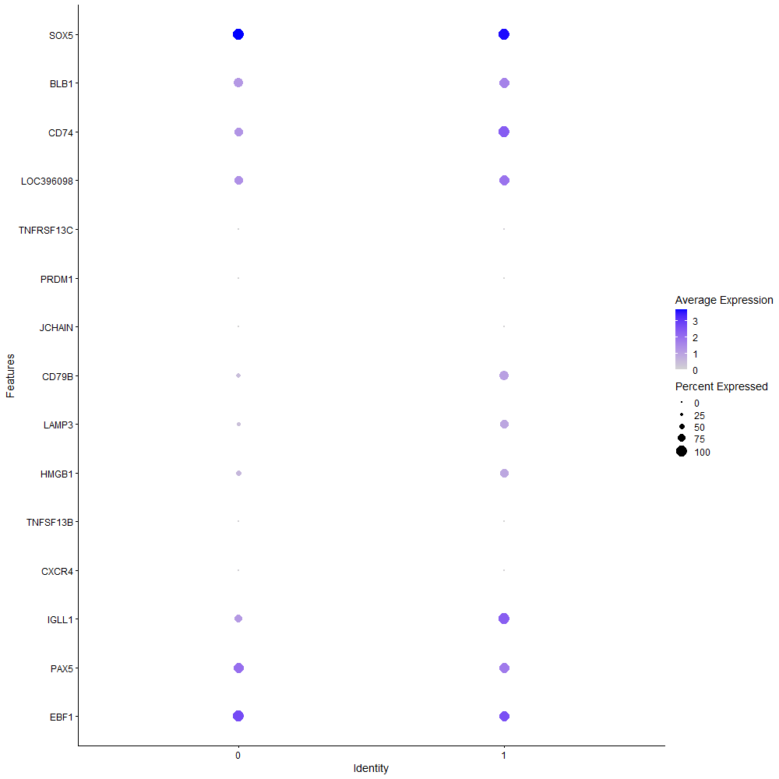
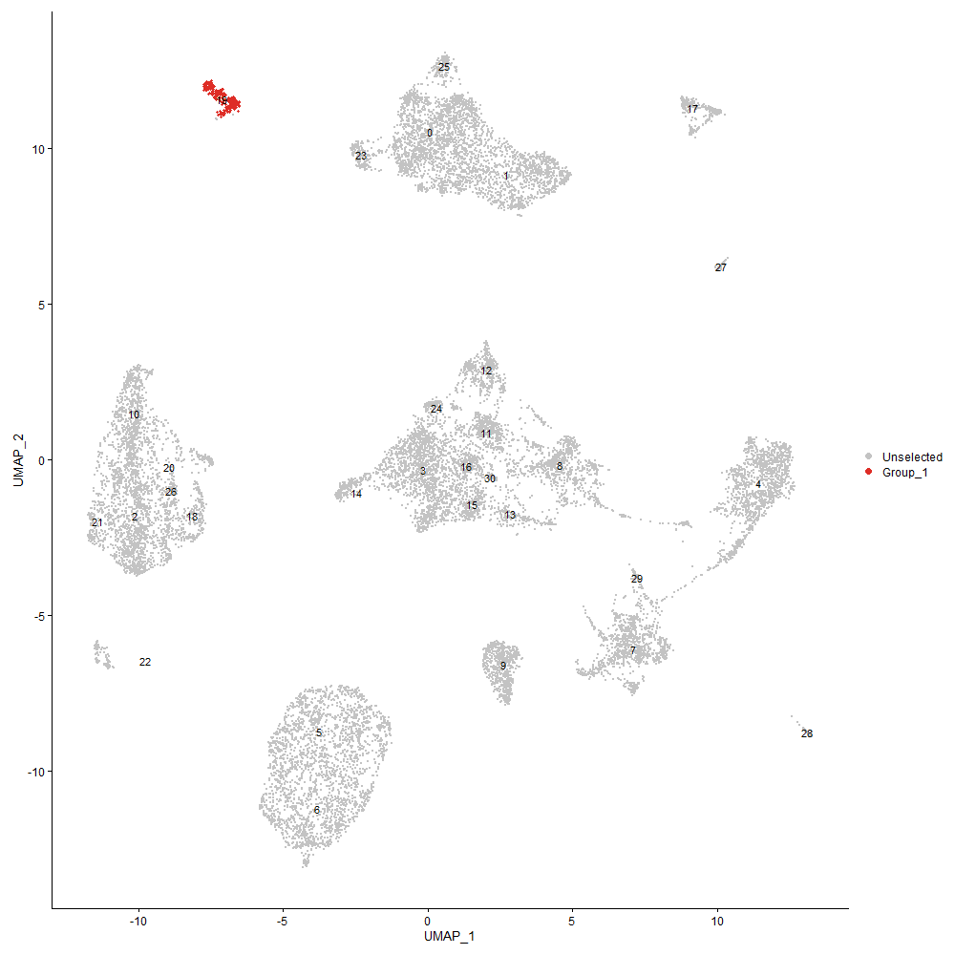
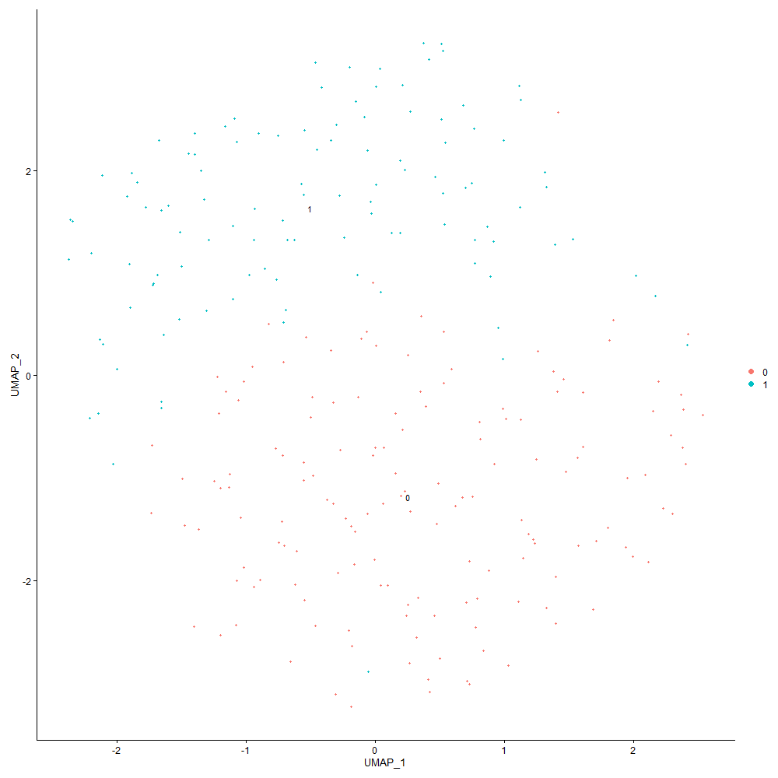
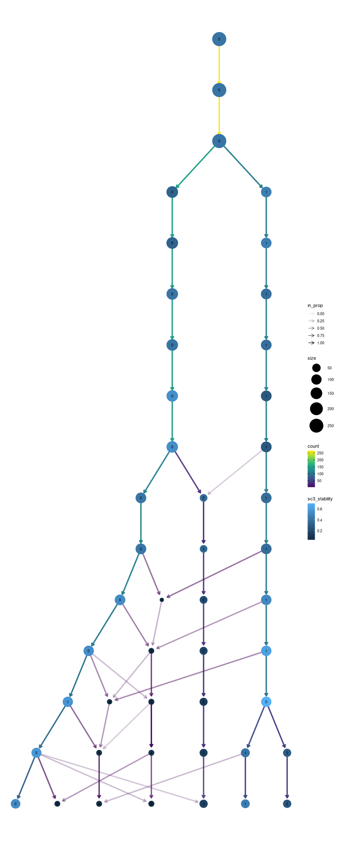

Cluster0
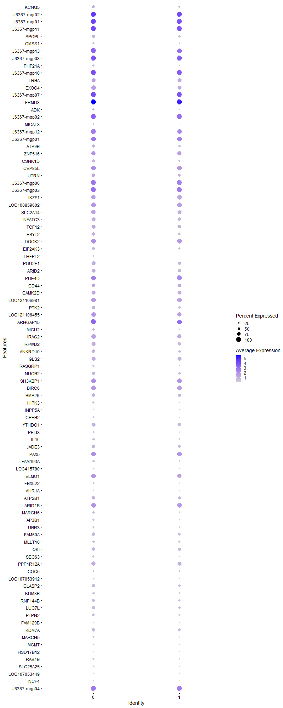
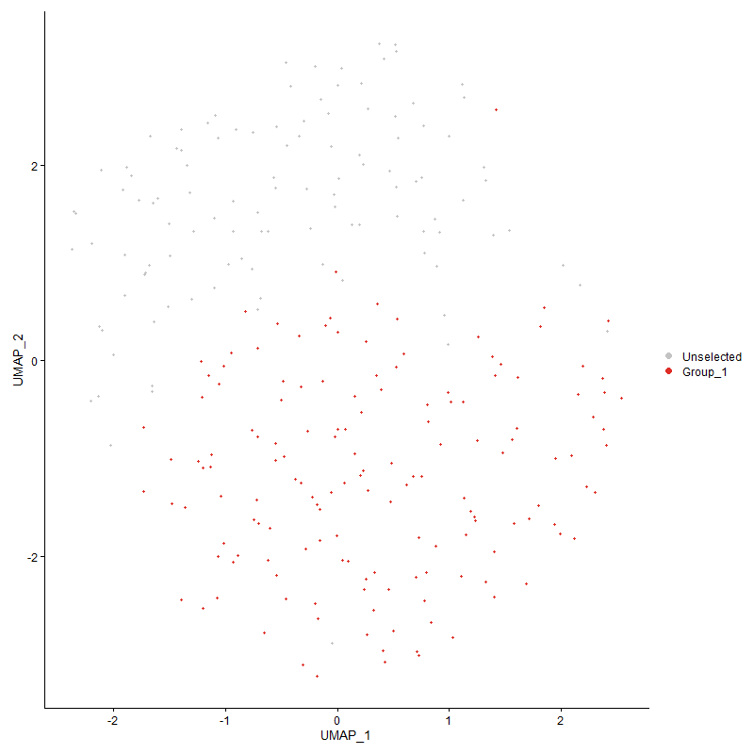
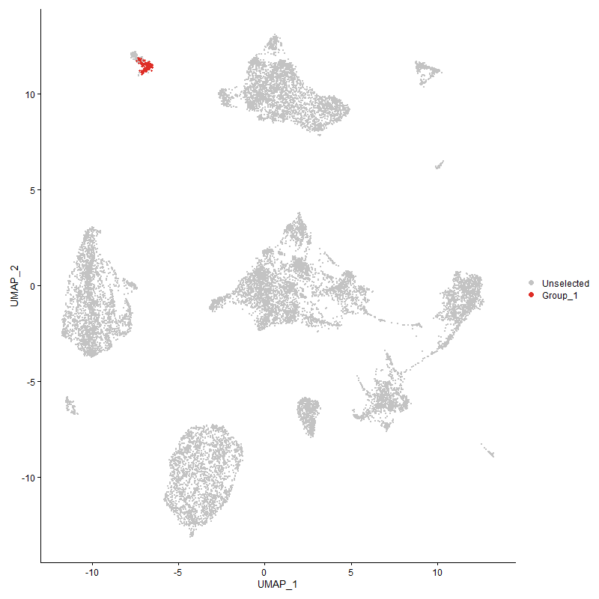
 | p_val | avg_log2FC | pct.1 | pct.2 | p_val_adj | cluster | gene
KCNQ5 | 9.4938651E-05 | 0.74607787033 | 0.609 | 0.42 | 1 | 0 | KCNQ5
J6367-mgr02 | 0.00016629787956 | 0.63002787229 | 1 | 1 | 1 | 0 | J6367-mgr02
J6367-mgr01 | 1.3186847535E-06 | 0.60800215475 | 1 | 1 | 0.02013763487 | 0 | J6367-mgr01
J6367-mgp11 | 1.1536017228E-11 | 0.60423893274 | 1 | 1 | 1.7616651909E-07 | 0 | J6367-mgp11
SPOPL | 6.4591031555E-06 | 0.59514769968 | 0.636 | 0.473 | 0.098636964288 | 0 | SPOPL
CMSS1 | 0.00097480393109 | 0.59145758214 | 0.411 | 0.241 | 1 | 0 | CMSS1
J6367-mgp13 | 1.1047724057E-09 | 0.57523212363 | 1 | 0.991 | 1.6870979408E-05 | 0 | J6367-mgp13
J6367-mgp08 | 7.6252251751E-10 | 0.56621797743 | 1 | 1 | 1.1644481365E-05 | 0 | J6367-mgp08
PHF21A | 5.2575053209E-05 | 0.54996707936 | 0.457 | 0.223 | 0.80287363756 | 0 | PHF21A
J6367-mgp10 | 1.3854787789E-09 | 0.549579952 | 1 | 1 | 2.1157646433E-05 | 0 | J6367-mgp10
LRBA | 0.00019773841976 | 0.53857653369 | 0.788 | 0.786 | 1 | 0 | LRBA
EXOC4 | 7.2243328641E-06 | 0.52120608255 | 0.927 | 0.812 | 0.11032278717 | 0 | EXOC4
J6367-mgp07 | 1.9375012112E-07 | 0.50717398515 | 1 | 1 | 0.0029587580996 | 0 | J6367-mgp07
FRMD8 | 8.8339447974E-14 | 0.5063194299 | 1 | 1 | 1.34903171E-09 | 0 | FRMD8
ADK | 0.004507201547 | 0.50286099227 | 0.43 | 0.268 | 1 | 0 | ADK
J6367-mgp02 | 3.6592507492E-08 | 0.49939125841 | 1 | 1 | 0.00055880418191 | 0 | J6367-mgp02
MICAL3 | 0.002338235495 | 0.49775913488 | 0.311 | 0.161 | 1 | 0 | MICAL3
J6367-mgp12 | 3.935557288E-08 | 0.49567952543 | 1 | 0.982 | 0.00060099895346 | 0 | J6367-mgp12
J6367-mgp01 | 0.00020928376847 | 0.49389947747 | 0.987 | 0.982 | 1 | 0 | J6367-mgp01
ATP9B | 0.00020453728993 | 0.47631920482 | 0.669 | 0.491 | 1 | 0 | ATP9B
ZNF516 | 7.1510865983E-05 | 0.47498635425 | 0.914 | 0.857 | 1 | 0 | ZNF516
CSNK1D | 4.4084212155E-05 | 0.47165298138 | 0.656 | 0.446 | 0.67321000382 | 0 | CSNK1D
CEP85L | 6.797438869E-05 | 0.4689328884 | 0.954 | 0.964 | 1 | 0 | CEP85L
UTRN | 0.00082824056338 | 0.46342586351 | 0.735 | 0.616 | 1 | 0 | UTRN
J6367-mgp06 | 1.4600087242E-05 | 0.45988433437 | 1 | 1 | 0.22295793227 | 0 | J6367-mgp06
J6367-mgp03 | 6.9214160458E-06 | 0.45380895764 | 1 | 1 | 0.10569694444 | 0 | J6367-mgp03
IKZF1 | 0.00039542220515 | 0.44374470835 | 0.868 | 0.938 | 1 | 0 | IKZF1
LOC100859602 | 3.4960876356E-05 | 0.4424177768 | 0.934 | 0.929 | 0.53388754284 | 0 | LOC100859602
SLC2A14 | 0.00029342584824 | 0.44180914977 | 0.881 | 0.795 | 1 | 0 | SLC2A14
NFATC3 | 0.0011515825153 | 0.44000232552 | 0.781 | 0.696 | 1 | 0 | NFATC3
TCF12 | 0.0045420614428 | 0.42759433349 | 0.801 | 0.696 | 1 | 0 | TCF12
ESYT2 | 3.0960306513E-05 | 0.42626176556 | 0.768 | 0.571 | 0.47279484075 | 0 | ESYT2
DOCK2 | 0.00055589772772 | 0.42450239776 | 0.993 | 0.982 | 1 | 0 | DOCK2
EIF2AK3 | 0.0003780864079 | 0.42417865852 | 0.616 | 0.429 | 1 | 0 | EIF2AK3
LHFPL2 | 5.9397039109E-05 | 0.42375226719 | 0.265 | 0.071 | 0.90705218424 | 0 | LHFPL2
POU2F1 | 0.00096212992375 | 0.41937382668 | 0.781 | 0.634 | 1 | 0 | POU2F1
ARID2 | 0.00011684478843 | 0.4076692757 | 0.801 | 0.643 | 1 | 0 | ARID2
PDE4D | 0.00047485724557 | 0.39816453875 | 0.993 | 1 | 1 | 0 | PDE4D
CD44 | 0.0090580328716 | 0.39379937206 | 0.768 | 0.679 | 1 | 0 | CD44
CAMK2D | 0.00059070207034 | 0.39170979779 | 0.821 | 0.777 | 1 | 0 | CAMK2D
LOC121106981 | 7.261001043E-05 | 0.39165787296 | 0.927 | 0.929 | 1 | 0 | LOC121106981
PTK2 | 0.0051192488534 | 0.38931597031 | 0.642 | 0.509 | 1 | 0 | PTK2
LOC121106455 | 0.0006130522263 | 0.3868450575 | 0.96 | 0.893 | 1 | 0 | LOC121106455
ARHGAP15 | 8.6182503622E-07 | 0.38661420413 | 1 | 0.991 | 0.013160930128 | 0 | ARHGAP15
MICU2 | 0.0012627222766 | 0.3825370585 | 0.49 | 0.304 | 1 | 0 | MICU2
IRAG2 | 9.0141989236E-05 | 0.37944026366 | 0.94 | 0.893 | 1 | 0 | IRAG2
RFWD2 | 0.00098429328326 | 0.37552124438 | 0.781 | 0.714 | 1 | 0 | RFWD2
ANKRD10 | 0.0022437656604 | 0.37355449377 | 0.728 | 0.536 | 1 | 0 | ANKRD10
GLS2 | 1.8637429797E-05 | 0.37290011137 | 0.834 | 0.839 | 0.28461219043 | 0 | GLS2
RASGRP1 | 0.00076123103633 | 0.3721494753 | 0.43 | 0.241 | 1 | 0 | RASGRP1
NUCB2 | 0.0051279040743 | 0.36562202302 | 0.629 | 0.5 | 1 | 0 | NUCB2
SH3KBP1 | 0.0055486663898 | 0.36541678865 | 0.954 | 0.938 | 1 | 0 | SH3KBP1
BIRC6 | 0.0065008509136 | 0.36524363754 | 0.94 | 0.946 | 1 | 0 | BIRC6
BMP2K | 0.0083334967503 | 0.36375985147 | 0.762 | 0.67 | 1 | 0 | BMP2K
HIPK3 | 0.0020617763312 | 0.36363127476 | 0.411 | 0.25 | 1 | 0 | HIPK3
INPP5A | 0.00023345334089 | 0.36207566849 | 0.305 | 0.116 | 1 | 0 | INPP5A
CPEB2 | 0.00057450344003 | 0.35891496792 | 0.411 | 0.196 | 1 | 0 | CPEB2
YTHDC1 | 0.0047569459498 | 0.35805340023 | 0.788 | 0.714 | 1 | 0 | YTHDC1
PELI3 | 0.0020223350179 | 0.35744607754 | 0.371 | 0.196 | 1 | 0 | PELI3
IL16 | 0.0033576477314 | 0.35605642095 | 0.536 | 0.393 | 1 | 0 | IL16
JADE3 | 0.0021486038968 | 0.35077001268 | 0.695 | 0.589 | 1 | 0 | JADE3
PAX5 | 0.00057854885621 | 0.34783617977 | 0.96 | 0.973 | 1 | 0 | PAX5
FAM193A | 0.0025713690493 | 0.34505417081 | 0.483 | 0.312 | 1 | 0 | FAM193A
LOC415780 | 0.0045421699179 | 0.33912755592 | 0.351 | 0.196 | 1 | 0 | LOC415780
ELMO1 | 0.0012026215638 | 0.33799574789 | 0.927 | 0.857 | 1 | 0 | ELMO1
FBXL22 | 0.00017494004565 | 0.33510424443 | 0.391 | 0.179 | 1 | 0 | FBXL22
AHR1A | 0.0050953902833 | 0.33265215937 | 0.311 | 0.161 | 1 | 0 | AHR1A
ATP2B1 | 0.0025617853003 | 0.3262948575 | 0.742 | 0.625 | 1 | 0 | ATP2B1
ARID1B | 0.0072250165247 | 0.32456503305 | 0.967 | 0.982 | 1 | 0 | ARID1B
MARCH6 | 0.0068334428962 | 0.32246695316 | 0.483 | 0.357 | 1 | 0 | MARCH6
AP3B1 | 0.00076270117393 | 0.32185732077 | 0.457 | 0.268 | 1 | 0 | AP3B1
UBR3 | 0.002805158162 | 0.32102266929 | 0.444 | 0.277 | 1 | 0 | UBR3
FAM60A | 0.0062929918266 | 0.31915160406 | 0.735 | 0.598 | 1 | 0 | FAM60A
MLLT10 | 0.0070006152974 | 0.31781786596 | 0.51 | 0.393 | 1 | 0 | MLLT10
QKI | 0.0080541092999 | 0.31769294468 | 0.728 | 0.652 | 1 | 0 | QKI
SEC63 | 0.0062474685748 | 0.31741141574 | 0.43 | 0.286 | 1 | 0 | SEC63
PPP1R12A | 0.0017048559662 | 0.31361530173 | 0.868 | 0.786 | 1 | 0 | PPP1R12A
COG5 | 0.0087237316103 | 0.30913607967 | 0.464 | 0.304 | 1 | 0 | COG5
LOC107053912 | 0.00074069736657 | 0.30813360215 | 0.318 | 0.143 | 1 | 0 | LOC107053912
CLASP2 | 0.0064192651485 | 0.3032166273 | 0.656 | 0.527 | 1 | 0 | CLASP2
KDM3B | 0.00050314022072 | 0.30046134681 | 0.497 | 0.286 | 1 | 0 | KDM3B
RNF144B | 0.0099392060773 | 0.28636297948 | 0.543 | 0.438 | 1 | 0 | RNF144B
LUC7L | 0.0079684892026 | 0.28449679326 | 0.636 | 0.491 | 1 | 0 | LUC7L
PTPN2 | 0.0098959793337 | 0.28264599758 | 0.603 | 0.455 | 1 | 0 | PTPN2
FAM120B | 0.0030372038181 | 0.28264599758 | 0.199 | 0.071 | 1 | 0 | FAM120B
KDM7A | 0.0040745808899 | 0.28123151352 | 0.715 | 0.589 | 1 | 0 | KDM7A
MARCH5 | 0.00021956211997 | 0.28060468837 | 0.411 | 0.188 | 1 | 0 | MARCH5
MGMT | 0.00079704393514 | 0.28051899983 | 0.377 | 0.179 | 1 | 0 | MGMT
HSD17B12 | 1.2416865023E-05 | 0.27804898347 | 0.212 | 0.027 | 0.18961794577 | 0 | HSD17B12
RAB1B | 0.0026082643548 | 0.27326499061 | 0.417 | 0.25 | 1 | 0 | RAB1B
SLC25A25 | 0.0063880579459 | 0.26778064801 | 0.358 | 0.214 | 1 | 0 | SLC25A25
LOC107053449 | 0.0036538532957 | 0.26479678957 | 0.159 | 0.045 | 1 | 0 | LOC107053449
NCF4 | 0.00020184221445 | 0.25700617642 | 0.291 | 0.098 | 1 | 0 | NCF4
J6367-mgp04 | 0.0010469745186 | 0.25118304422 | 1 | 1 | 1 | 0 | J6367-mgp04

Cluster1
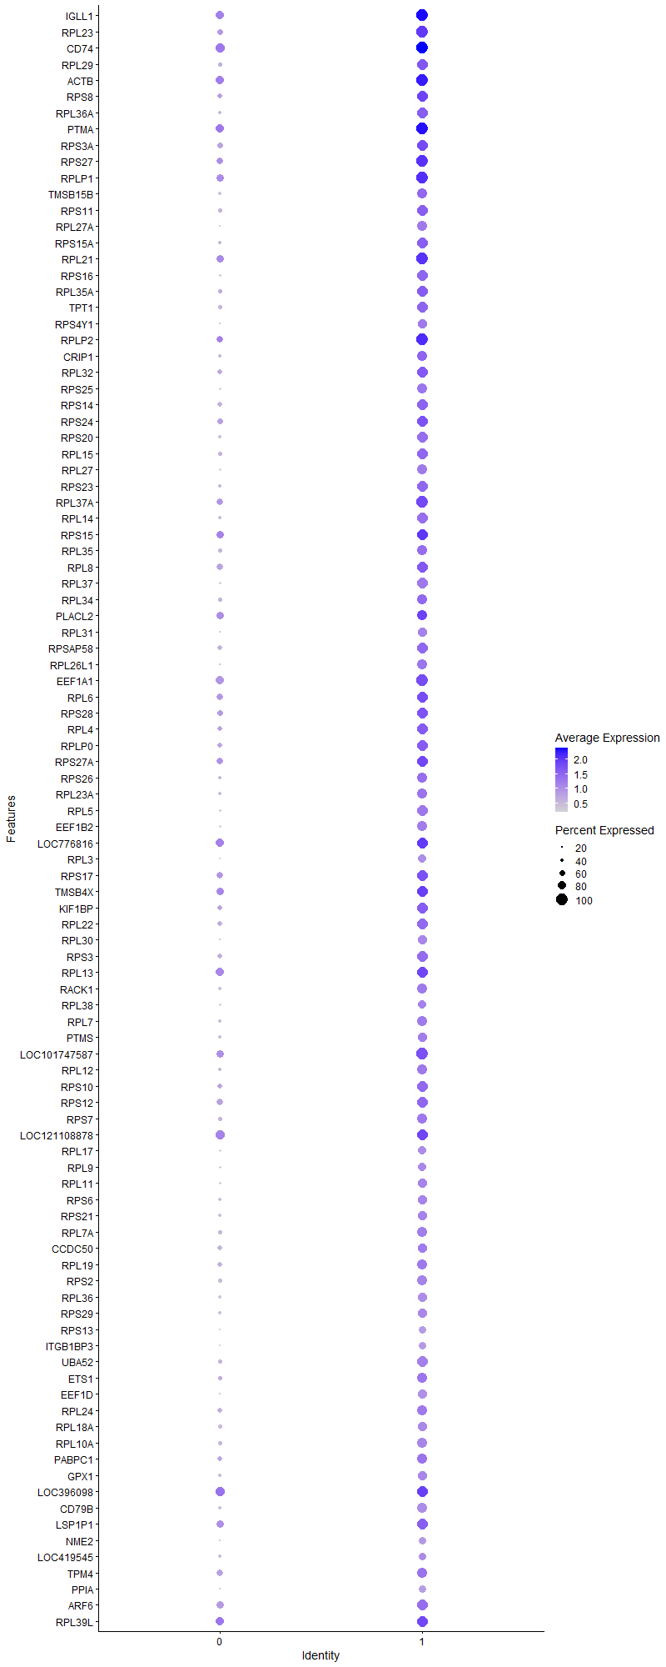
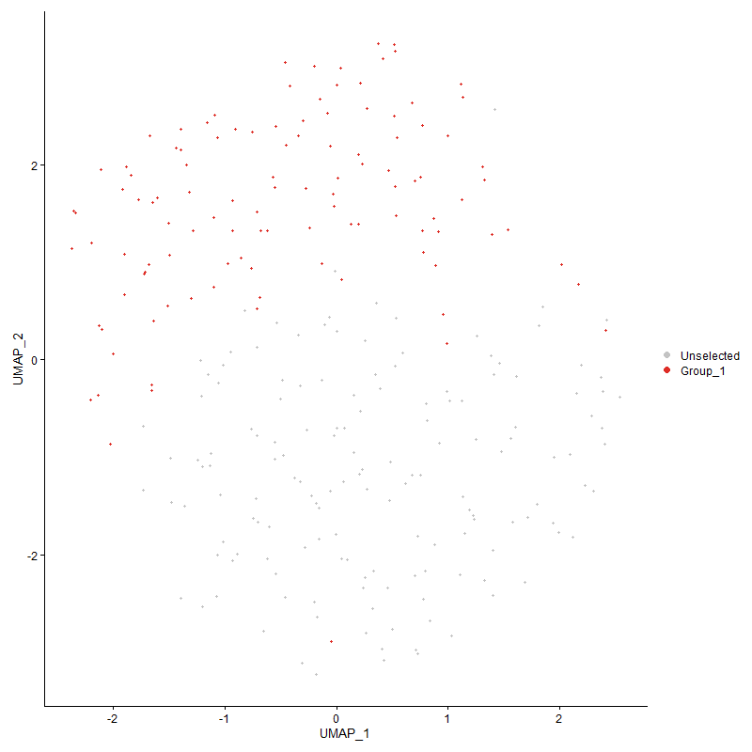
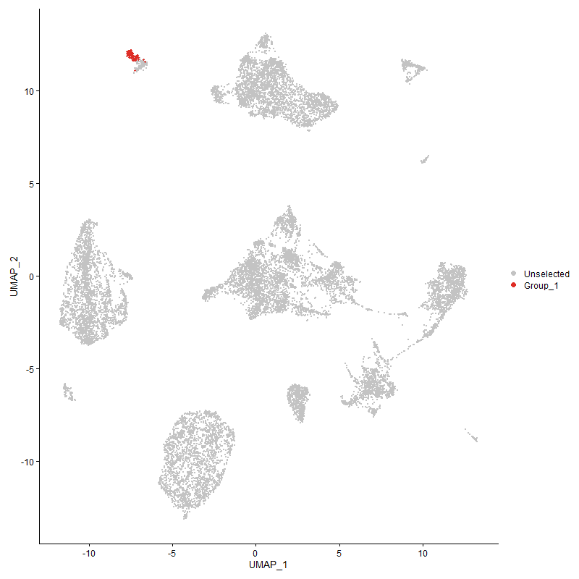
 | p_val | avg_log2FC | pct.1 | pct.2 | p_val_adj | cluster | gene
IGLL1 | 3.4673174614E-33 | 1.6930861635 | 1 | 0.762 | 5.2949404953E-29 | 1 | IGLL1
RPL23 | 7.0865578809E-33 | 1.5898308189 | 1 | 0.583 | 1.082188254E-28 | 1 | RPL23
CD74 | 2.2242703181E-29 | 1.5868232564 | 1 | 0.828 | 3.3966832028E-25 | 1 | CD74
RPL29 | 2.919760702E-28 | 1.5323331531 | 0.955 | 0.457 | 4.458766568E-24 | 1 | RPL29
ACTB | 4.6167408948E-28 | 1.5057007659 | 1 | 0.748 | 7.0502250205E-24 | 1 | ACTB
RPS8 | 7.8203126055E-27 | 1.4996664293 | 0.964 | 0.536 | 1.194239938E-22 | 1 | RPS8
RPL36A | 3.1491942572E-29 | 1.4993073457 | 0.964 | 0.411 | 4.8091345501E-25 | 1 | RPL36A
PTMA | 1.3559051532E-28 | 1.4982252988 | 1 | 0.795 | 2.0706027595E-24 | 1 | PTMA
RPS3A | 3.3050566835E-27 | 1.4953773924 | 0.955 | 0.556 | 5.0471520614E-23 | 1 | RPS3A
RPS27 | 1.5885240072E-30 | 1.4923055058 | 1 | 0.675 | 2.4258350114E-26 | 1 | RPS27
RPLP1 | 8.4790809108E-29 | 1.4837568676 | 1 | 0.695 | 1.2948404459E-24 | 1 | RPLP1
TMSB15B | 1.8237353081E-25 | 1.4831826216 | 0.893 | 0.384 | 2.7850261891E-21 | 1 | TMSB15B
RPS11 | 5.4916432379E-27 | 1.4799594177 | 0.955 | 0.437 | 8.3862883886E-23 | 1 | RPS11
RPL27A | 1.1810755266E-30 | 1.4497136615 | 0.884 | 0.172 | 1.8036204366E-26 | 1 | RPL27A
RPS15A | 4.7236057211E-26 | 1.4229523496 | 0.946 | 0.404 | 7.2134182966E-22 | 1 | RPS15A
RPL21 | 2.6374118226E-31 | 1.419448531 | 1 | 0.728 | 4.0275915943E-27 | 1 | RPL21
RPS16 | 1.1522956148E-30 | 1.3961442023 | 0.964 | 0.338 | 1.7596706334E-26 | 1 | RPS16
RPL35A | 4.3465334533E-24 | 1.3902642024 | 0.938 | 0.464 | 6.6375912365E-20 | 1 | RPL35A
TPT1 | 6.1468947315E-30 | 1.3832833983 | 0.973 | 0.477 | 9.3869229444E-26 | 1 | TPT1
RPS4Y1 | 2.397939564E-28 | 1.3799109683 | 0.857 | 0.219 | 3.6618935082E-24 | 1 | RPS4Y1
RPLP2 | 7.1682720712E-28 | 1.3700388217 | 1 | 0.669 | 1.094666828E-23 | 1 | RPLP2
CRIP1 | 1.1011378095E-23 | 1.3628783146 | 0.911 | 0.417 | 1.6815475488E-19 | 1 | CRIP1
RPL32 | 3.7415459508E-24 | 1.3270049352 | 0.973 | 0.536 | 5.7137148215E-20 | 1 | RPL32
RPS25 | 1.586964091E-26 | 1.3251477419 | 0.911 | 0.351 | 2.4234528634E-22 | 1 | RPS25
RPS14 | 9.8950808327E-26 | 1.3177332937 | 0.955 | 0.536 | 1.511077794E-21 | 1 | RPS14
RPS24 | 8.1050781035E-28 | 1.3141320655 | 0.964 | 0.603 | 1.2377264772E-23 | 1 | RPS24
RPS20 | 1.5927771977E-26 | 1.3113955015 | 0.938 | 0.358 | 2.4323300586E-22 | 1 | RPS20
RPL15 | 5.4114783194E-30 | 1.3060137714 | 0.973 | 0.45 | 8.2638685416E-26 | 1 | RPL15
RPL27 | 4.9414543882E-27 | 1.2864833127 | 0.884 | 0.318 | 7.5460949962E-23 | 1 | RPL27
RPS23 | 7.1289033977E-27 | 1.2796381135 | 0.955 | 0.411 | 1.0886548379E-22 | 1 | RPS23
RPL37A | 2.6180598306E-26 | 1.2769359772 | 1 | 0.649 | 3.9980391673E-22 | 1 | RPL37A
RPL14 | 4.6363224032E-28 | 1.2693965538 | 0.964 | 0.417 | 7.0801279419E-24 | 1 | RPL14
RPS15 | 2.2946137643E-24 | 1.2601652581 | 0.982 | 0.735 | 3.5041046794E-20 | 1 | RPS15
RPL35 | 1.885975143E-23 | 1.2583152822 | 0.902 | 0.437 | 2.8800726409E-19 | 1 | RPL35
RPL8 | 3.8693757005E-26 | 1.2572473455 | 0.982 | 0.616 | 5.9089236322E-22 | 1 | RPL8
RPL37 | 2.1625658276E-30 | 1.2566900924 | 0.955 | 0.344 | 3.3024542754E-26 | 1 | RPL37
RPL34 | 4.0895015957E-21 | 1.2534800598 | 0.902 | 0.424 | 6.2450778867E-17 | 1 | RPL34
PLACL2 | 1.2607797836E-18 | 1.2379127717 | 0.929 | 0.715 | 1.9253368076E-14 | 1 | PLACL2
RPL31 | 3.7801780743E-25 | 1.2363627078 | 0.857 | 0.265 | 5.7727099372E-21 | 1 | RPL31
RPSAP58 | 1.5730479279E-26 | 1.2361708885 | 0.938 | 0.49 | 2.4022014907E-22 | 1 | RPSAP58
RPL26L1 | 3.6589550915E-23 | 1.2357486569 | 0.875 | 0.278 | 5.5875903203E-19 | 1 | RPL26L1
EEF1A1 | 1.1822395101E-24 | 1.2351296073 | 1 | 0.742 | 1.8053979558E-20 | 1 | EEF1A1
RPL6 | 5.6055014404E-23 | 1.2335022406 | 0.955 | 0.669 | 8.5601612497E-19 | 1 | RPL6
RPS28 | 9.1915188736E-26 | 1.2325041379 | 0.991 | 0.589 | 1.4036368472E-21 | 1 | RPS28
RPL4 | 3.4835615992E-25 | 1.2319898998 | 0.991 | 0.49 | 5.3197469182E-21 | 1 | RPL4
RPLP0 | 2.7468329813E-23 | 1.231909028 | 0.964 | 0.49 | 4.1946886457E-19 | 1 | RPLP0
RPS27A | 2.6396644751E-25 | 1.2296844228 | 0.991 | 0.675 | 4.0310316199E-21 | 1 | RPS27A
RPS26 | 8.0437861242E-24 | 1.2250208421 | 0.911 | 0.417 | 1.228366579E-19 | 1 | RPS26
RPL23A | 3.2529522332E-21 | 1.2214116684 | 0.911 | 0.384 | 4.9675833553E-17 | 1 | RPL23A
RPL5 | 3.2081673452E-27 | 1.2153211262 | 0.955 | 0.338 | 4.8991923529E-23 | 1 | RPL5
EEF1B2 | 1.0204808825E-24 | 1.1900417178 | 0.893 | 0.331 | 1.5583763556E-20 | 1 | EEF1B2
LOC776816 | 2.6988497339E-26 | 1.1763719638 | 0.991 | 0.775 | 4.1214134287E-22 | 1 | LOC776816
RPL3 | 6.2968346475E-26 | 1.1695827066 | 0.795 | 0.199 | 9.6158961903E-22 | 1 | RPL3
RPS17 | 2.2896349152E-21 | 1.1672498529 | 0.964 | 0.642 | 3.4965014791E-17 | 1 | RPS17
TMSB4X | 2.9791312147E-23 | 1.1648757039 | 0.991 | 0.682 | 4.549431278E-19 | 1 | TMSB4X
KIF1BP | 2.5594512389E-23 | 1.1636502189 | 0.982 | 0.536 | 3.9085379869E-19 | 1 | KIF1BP
RPL22 | 1.2770770115E-25 | 1.1440199304 | 0.973 | 0.523 | 1.9502243043E-21 | 1 | RPL22
RPL30 | 4.1886807021E-23 | 1.1352740102 | 0.848 | 0.285 | 6.3965343001E-19 | 1 | RPL30
RPS3 | 4.2480930676E-25 | 1.1279807496 | 0.973 | 0.523 | 6.4872629236E-21 | 1 | RPS3
RPL13 | 4.6383130699E-24 | 1.1123673819 | 0.991 | 0.748 | 7.0831678891E-20 | 1 | RPL13
RACK1 | 1.7216777459E-21 | 1.111337277 | 0.893 | 0.404 | 2.6291740858E-17 | 1 | RACK1
RPL38 | 3.237736592E-19 | 1.104239501 | 0.795 | 0.351 | 4.9443475496E-15 | 1 | RPL38
RPL7 | 1.5380471922E-23 | 1.1024270698 | 0.92 | 0.364 | 2.3487518672E-19 | 1 | RPL7
PTMS | 2.7378047233E-17 | 1.0611923013 | 0.821 | 0.364 | 4.1809015929E-13 | 1 | PTMS
LOC101747587 | 5.8783582683E-22 | 1.0483300383 | 1 | 0.709 | 8.9768409116E-18 | 1 | LOC101747587
RPL12 | 1.1164403533E-17 | 1.0214874481 | 0.893 | 0.411 | 1.7049160635E-13 | 1 | RPL12
RPS10 | 2.5199182718E-21 | 1.016012318 | 0.982 | 0.517 | 3.8481671929E-17 | 1 | RPS10
RPS12 | 1.8086151392E-19 | 1.0130590006 | 0.938 | 0.623 | 2.7619361791E-15 | 1 | RPS12
RPS7 | 2.1442848627E-19 | 1.0105988218 | 0.893 | 0.477 | 3.2745374138E-15 | 1 | RPS7
LOC121108878 | 1.4575987676E-23 | 1.0089079313 | 0.973 | 0.808 | 2.225899078E-19 | 1 | LOC121108878
RPL17 | 5.1631522172E-18 | 1.0045713775 | 0.777 | 0.305 | 7.8846497508E-14 | 1 | RPL17
RPL9 | 1.2559623703E-14 | 1.0008373242 | 0.75 | 0.351 | 1.9179801356E-10 | 1 | RPL9
RPL11 | 6.5157789346E-19 | 0.99531332532 | 0.848 | 0.344 | 9.9502460111E-15 | 1 | RPL11
RPS6 | 8.9923056229E-20 | 0.98916109834 | 0.839 | 0.391 | 1.3732149917E-15 | 1 | RPS6
RPS21 | 1.1657855292E-17 | 0.98331528017 | 0.857 | 0.358 | 1.7802710816E-13 | 1 | RPS21
RPL7A | 6.0783162734E-19 | 0.97943770309 | 0.911 | 0.45 | 9.2821967811E-15 | 1 | RPL7A
CCDC50 | 6.3635171712E-17 | 0.96785627983 | 0.866 | 0.49 | 9.7177270722E-13 | 1 | CCDC50
RPL19 | 6.1515538702E-18 | 0.95188198057 | 0.911 | 0.51 | 9.3940379151E-14 | 1 | RPL19
RPS2 | 2.914710554E-18 | 0.93047950384 | 0.902 | 0.43 | 4.4510544871E-14 | 1 | RPS2
RPL36 | 1.4104347437E-18 | 0.92772578557 | 0.848 | 0.371 | 2.153874897E-14 | 1 | RPL36
RPS29 | 6.1611954378E-17 | 0.92700731193 | 0.83 | 0.371 | 9.4087615531E-13 | 1 | RPS29
RPS13 | 4.9763971983E-18 | 0.92630951504 | 0.723 | 0.225 | 7.5994561615E-14 | 1 | RPS13
ITGB1BP3 | 5.7773326956E-19 | 0.91971017969 | 0.732 | 0.205 | 8.8225647594E-15 | 1 | ITGB1BP3
UBA52 | 1.8393349258E-19 | 0.91960783404 | 0.938 | 0.43 | 2.8088483652E-15 | 1 | UBA52
ETS1 | 1.8891559951E-15 | 0.91787799961 | 0.884 | 0.47 | 2.8849301201E-11 | 1 | ETS1
EEF1D | 1.0708267012E-19 | 0.9155087175 | 0.839 | 0.285 | 1.6352594554E-15 | 1 | EEF1D
RPL24 | 4.8699965483E-16 | 0.90477707669 | 0.92 | 0.543 | 7.4369717289E-12 | 1 | RPL24
RPL18A | 1.1865890885E-14 | 0.85772201703 | 0.812 | 0.43 | 1.812040197E-10 | 1 | RPL18A
RPL10A | 2.0736619464E-17 | 0.84467774629 | 0.902 | 0.45 | 3.1666891583E-13 | 1 | RPL10A
PABPC1 | 8.5816217675E-15 | 0.84380997584 | 0.902 | 0.543 | 1.3104994601E-10 | 1 | PABPC1
GPX1 | 4.8129957922E-14 | 0.83607352792 | 0.839 | 0.397 | 7.3499258743E-10 | 1 | GPX1
LOC396098 | 2.2576208512E-15 | 0.83599849892 | 0.973 | 0.828 | 3.4476128018E-11 | 1 | LOC396098
CD79B | 8.1623837706E-18 | 0.83065727598 | 0.893 | 0.411 | 1.2464776256E-13 | 1 | CD79B
LSP1P1 | 1.5774856385E-13 | 0.82838531481 | 0.955 | 0.709 | 2.4089783186E-09 | 1 | LSP1P1
NME2 | 7.5383673368E-14 | 0.81971190112 | 0.714 | 0.285 | 1.151184076E-09 | 1 | NME2
LOC419545 | 1.9440878492E-09 | 0.81772509347 | 0.705 | 0.411 | 2.9688165545E-05 | 1 | LOC419545
TPM4 | 5.0001551953E-13 | 0.79507203069 | 0.902 | 0.636 | 7.6357369987E-09 | 1 | TPM4
PPIA | 3.6958437002E-14 | 0.78719362749 | 0.705 | 0.272 | 5.6439229146E-10 | 1 | PPIA
ARF6 | 1.3921164205E-16 | 0.7836232296 | 0.982 | 0.728 | 2.1259009857E-12 | 1 | ARF6
RPL39L | 4.4146931279E-14 | 0.7650157059 | 0.982 | 0.768 | 6.7416778756E-10 | 1 | RPL39L
NPM1 | 1.0642104596E-12 | 0.76210892391 | 0.804 | 0.45 | 1.6251557929E-08 | 1 | NPM1
LAMP3 | 1.061274711E-13 | 0.74643506629 | 0.777 | 0.371 | 1.6206726112E-09 | 1 | LAMP3
LOC770612 | 1.88393362E-16 | 0.74364004758 | 0.688 | 0.199 | 2.8769550311E-12 | 1 | LOC770612
CALM2 | 2.1763832191E-11 | 0.73200378306 | 0.616 | 0.258 | 3.3235548139E-07 | 1 | CALM2
JUND | 1.2667357117E-09 | 0.72967782443 | 0.938 | 0.695 | 1.9344321053E-05 | 1 | JUND
EEF2 | 5.8500154533E-11 | 0.72864144514 | 0.795 | 0.53 | 8.9335585988E-07 | 1 | EEF2
BLB2 | 1.1336360012E-12 | 0.71631137459 | 1 | 0.881 | 1.7311755375E-08 | 1 | BLB2
ARPC1B | 1.8470413433E-15 | 0.713288434 | 0.741 | 0.272 | 2.8206168353E-11 | 1 | ARPC1B
TOMM7 | 1.1456996221E-15 | 0.6940842231 | 0.589 | 0.126 | 1.749597893E-11 | 1 | TOMM7
UBB | 5.3070468662E-13 | 0.66510515613 | 0.554 | 0.146 | 8.1043912694E-09 | 1 | UBB
YBX1 | 1.2706361399E-12 | 0.65931880494 | 0.795 | 0.391 | 1.9403884492E-08 | 1 | YBX1
LOC107053353 | 1.9168411686E-12 | 0.65463307238 | 0.518 | 0.132 | 2.9272081485E-08 | 1 | LOC107053353
FTH1 | 2.8402926281E-12 | 0.64394357905 | 0.875 | 0.437 | 4.3374108723E-08 | 1 | FTH1
RHOA | 1.5618328911E-09 | 0.64137717277 | 0.679 | 0.371 | 2.385075008E-05 | 1 | RHOA
GRAPL | 7.3912130131E-13 | 0.63403683943 | 0.893 | 0.576 | 1.1287121392E-08 | 1 | GRAPL
SPTBN1 | 1.6332299989E-10 | 0.62446700925 | 0.938 | 0.808 | 2.4941055313E-06 | 1 | SPTBN1
ATP2A3 | 9.1489778408E-07 | 0.62325923311 | 0.893 | 0.742 | 0.013971404061 | 1 | ATP2A3
DMA | 2.1051412897E-13 | 0.62277918903 | 0.679 | 0.232 | 3.2147612635E-09 | 1 | DMA
PYGL | 1.7032661011E-09 | 0.62062206116 | 0.714 | 0.424 | 2.6010576631E-05 | 1 | PYGL
BLB1 | 1.3045800985E-09 | 0.6174629415 | 0.982 | 0.854 | 1.9922242685E-05 | 1 | BLB1
CALM1 | 2.6217844185E-11 | 0.60853277899 | 0.875 | 0.55 | 4.0037269855E-07 | 1 | CALM1
SREBF2 | 2.6917436485E-10 | 0.59905761572 | 0.804 | 0.49 | 4.1105617256E-06 | 1 | SREBF2
JUN | 1.531496773E-05 | 0.58974756329 | 0.527 | 0.272 | 0.2338748722 | 1 | JUN
ZFP36L1 | 1.797548116E-08 | 0.58859109425 | 0.938 | 0.762 | 0.00027450357279 | 1 | ZFP36L1
BF2 | 8.6130060052E-10 | 0.5855211663 | 0.848 | 0.536 | 1.315292147E-05 | 1 | BF2
NCL | 9.0942373805E-11 | 0.58514985155 | 0.848 | 0.517 | 1.3887809904E-06 | 1 | NCL
HEXIM1 | 3.0633527033E-12 | 0.58068589617 | 0.589 | 0.179 | 4.6780459132E-08 | 1 | HEXIM1
DDX5 | 4.1247228918E-10 | 0.57578491025 | 0.991 | 0.735 | 6.298864328E-06 | 1 | DDX5
H3F3B | 4.1973226011E-10 | 0.57345854661 | 0.929 | 0.636 | 6.4097313441E-06 | 1 | H3F3B
EP300 | 1.1894887645E-09 | 0.57045287393 | 0.804 | 0.517 | 1.8164682923E-05 | 1 | EP300
OST4 | 4.6712649871E-13 | 0.56535090898 | 0.446 | 0.066 | 7.1334887618E-09 | 1 | OST4
OAZ1 | 1.1774548041E-10 | 0.55733901476 | 0.902 | 0.609 | 1.7980912314E-06 | 1 | OAZ1
ENO1 | 1.6848790307E-10 | 0.55712956565 | 0.679 | 0.285 | 2.5729787678E-06 | 1 | ENO1
PTP4A2 | 5.7089505374E-11 | 0.54874485994 | 0.652 | 0.258 | 8.7181383656E-07 | 1 | PTP4A2
MYCBP | 4.1563575444E-09 | 0.54828749255 | 0.554 | 0.225 | 6.347173606E-05 | 1 | MYCBP
RUNX1 | 5.1420447899E-06 | 0.54652703469 | 0.964 | 0.94 | 0.078524165987 | 1 | RUNX1
POU2AF1 | 1.2490701762E-08 | 0.54652703469 | 0.491 | 0.179 | 0.00019074550661 | 1 | POU2AF1
ARL4A | 4.1282382446E-05 | 0.52874649115 | 0.786 | 0.517 | 0.63042326234 | 1 | ARL4A
PNRC1 | 1.0997053487E-06 | 0.52324351548 | 0.92 | 0.682 | 0.016793600381 | 1 | PNRC1
HMGN4 | 1.441149306E-09 | 0.52165236605 | 0.679 | 0.338 | 2.2007791052E-05 | 1 | HMGN4
NSA2 | 8.9569123286E-11 | 0.52099194258 | 0.464 | 0.106 | 1.3678100817E-06 | 1 | NSA2
TTYH3 | 1.0932544733E-05 | 0.51296101505 | 0.75 | 0.503 | 0.16695089062 | 1 | TTYH3
PRKCB | 1.201678727E-06 | 0.50875217426 | 0.75 | 0.464 | 0.018350835841 | 1 | PRKCB
HSP90AA1 | 5.7067689818E-08 | 0.50543201359 | 0.464 | 0.172 | 0.00087148069122 | 1 | HSP90AA1
HNRNPAB | 1.6338759482E-11 | 0.50463094965 | 0.491 | 0.113 | 2.4950919605E-07 | 1 | HNRNPAB
SET | 5.4674292297E-09 | 0.50463094965 | 0.446 | 0.132 | 8.3493111767E-05 | 1 | SET
H3F3C | 6.1102187004E-07 | 0.5042987993 | 0.804 | 0.623 | 0.0093309149774 | 1 | H3F3C
HSPA8 | 1.7545773307E-08 | 0.48601627649 | 0.625 | 0.311 | 0.00026794150417 | 1 | HSPA8
IFI27L2 | 2.8846114432E-06 | 0.48297760931 | 0.446 | 0.179 | 0.044050901349 | 1 | IFI27L2
LOC107052653 | 2.7841340072E-05 | 0.4801974666 | 0.384 | 0.159 | 0.42516510424 | 1 | LOC107052653
MSN | 1.2345556752E-07 | 0.48011063572 | 0.875 | 0.583 | 0.0018852899715 | 1 | MSN
EIF3A | 6.3254905873E-09 | 0.4772199987 | 0.786 | 0.444 | 9.6596566759E-05 | 1 | EIF3A
MPEG1 | 2.1826069823E-12 | 0.47386290081 | 0.482 | 0.099 | 3.3330591227E-08 | 1 | MPEG1
DMB2 | 1.8686843458E-10 | 0.47227247999 | 0.696 | 0.305 | 2.8536678645E-06 | 1 | DMB2
PLEK | 2.09060748E-06 | 0.47004394888 | 0.58 | 0.311 | 0.031925666827 | 1 | PLEK
MCL1 | 1.7772932784E-06 | 0.46996880656 | 0.75 | 0.483 | 0.027141045655 | 1 | MCL1
EIF3M | 1.212784852E-08 | 0.46973028543 | 0.509 | 0.185 | 0.00018520437475 | 1 | EIF3M
MYL6 | 1.3288736881E-09 | 0.46776159562 | 0.598 | 0.225 | 2.0293230092E-05 | 1 | MYL6
CMTM3 | 4.6659377102E-08 | 0.46581523543 | 0.625 | 0.298 | 0.00071253534772 | 1 | CMTM3
LOC121108888 | 5.7801657339E-11 | 0.46402713971 | 0.491 | 0.119 | 8.8268910922E-07 | 1 | LOC121108888
HMGB1 | 2.0219905267E-07 | 0.46335030917 | 0.786 | 0.51 | 0.0030877817334 | 1 | HMGB1
EEF1G | 2.3222863377E-08 | 0.46153042372 | 0.821 | 0.563 | 0.00035463634663 | 1 | EEF1G
RAP1A | 3.3523039996E-06 | 0.46100303937 | 0.777 | 0.53 | 0.051193034378 | 1 | RAP1A
PHF20 | 4.9218481592E-06 | 0.46095130298 | 0.464 | 0.232 | 0.075161543238 | 1 | PHF20
EIF4G2 | 3.2053455874E-06 | 0.45669840464 | 0.634 | 0.338 | 0.048948832465 | 1 | EIF4G2
RDX | 1.2857289693E-06 | 0.45647241415 | 0.634 | 0.351 | 0.01963436709 | 1 | RDX
RHOG | 5.127288312E-10 | 0.45628710877 | 0.464 | 0.126 | 7.8298819813E-06 | 1 | RHOG
SLC25A6 | 1.2403525353E-08 | 0.45463663759 | 0.509 | 0.185 | 0.00018941423567 | 1 | SLC25A6
ARHGDIA | 2.0989265774E-08 | 0.45413343038 | 0.527 | 0.205 | 0.00032052707764 | 1 | ARHGDIA
ATP5B | 8.1131867419E-11 | 0.448751819 | 0.402 | 0.073 | 1.2389647474E-06 | 1 | ATP5B
DYNC1H1 | 2.9389880915E-07 | 0.44492199185 | 0.571 | 0.265 | 0.0044881287145 | 1 | DYNC1H1
BF1 | 4.5881362746E-07 | 0.44381711334 | 0.634 | 0.344 | 0.007006542905 | 1 | BF1
CSK | 2.2315603011E-06 | 0.44135482566 | 0.786 | 0.523 | 0.034078157358 | 1 | CSK
FGF12 | 0.00015587726934 | 0.43782304586 | 0.902 | 0.715 | 1 | 1 | FGF12
ANP32B | 4.2386790392E-09 | 0.43104981727 | 0.571 | 0.225 | 6.4728867608E-05 | 1 | ANP32B
YWHAB | 2.818455748E-09 | 0.43104981727 | 0.438 | 0.119 | 4.3040637728E-05 | 1 | YWHAB
TSC22D4 | 3.4826273735E-06 | 0.43104981727 | 0.866 | 0.728 | 0.05318320262 | 1 | TSC22D4
ACTR3 | 3.3417180256E-06 | 0.42694541893 | 0.866 | 0.709 | 0.051031375969 | 1 | ACTR3
HSP90B1 | 6.2211716809E-06 | 0.42611752173 | 0.804 | 0.563 | 0.095003512739 | 1 | HSP90B1
CARHSP1 | 9.4953322535E-07 | 0.42535870519 | 0.741 | 0.411 | 0.014500321884 | 1 | CARHSP1
CYBA | 1.5810345375E-06 | 0.4236323457 | 0.491 | 0.225 | 0.024143978422 | 1 | CYBA
TAPBP | 3.050637512E-09 | 0.42292193638 | 0.5 | 0.159 | 4.6586285446E-05 | 1 | TAPBP
COX6A1 | 5.9887183773E-10 | 0.42282931046 | 0.509 | 0.152 | 9.145371834E-06 | 1 | COX6A1
EIF3F | 8.4274575053E-09 | 0.42233260017 | 0.393 | 0.099 | 0.00012869570356 | 1 | EIF3F
UBL5 | 1.0435853153E-11 | 0.42165111927 | 0.321 | 0.02 | 1.593659135E-07 | 1 | UBL5
DSTN | 3.4704546842E-07 | 0.4190021895 | 0.973 | 0.808 | 0.0052997313483 | 1 | DSTN
CYB561A3 | 7.801509776E-08 | 0.41769143441 | 0.634 | 0.291 | 0.0011913685579 | 1 | CYB561A3
CTSZ | 4.1822196074E-09 | 0.41594292488 | 0.58 | 0.225 | 6.3866675625E-05 | 1 | CTSZ
ZNF593 | 3.0746330133E-07 | 0.41570185293 | 0.518 | 0.219 | 0.0046952720746 | 1 | ZNF593
BHLHE41 | 3.6861650243E-05 | 0.4089860816 | 0.982 | 0.914 | 0.56291426085 | 1 | BHLHE41
HNRNPA1 | 4.7886986434E-06 | 0.40746299695 | 0.411 | 0.159 | 0.073128216983 | 1 | HNRNPA1
EVI2A | 0.00069218931733 | 0.40720307531 | 0.902 | 0.841 | 1 | 1 | EVI2A
PKLR | 1.3793529573E-07 | 0.40610346014 | 0.446 | 0.159 | 0.002106409901 | 1 | PKLR
C10H15ORF48 | 5.5929531582E-07 | 0.40566449885 | 0.375 | 0.119 | 0.0085409987678 | 1 | C10H15ORF48
YWHAE | 3.0833911215E-06 | 0.40469849032 | 0.625 | 0.351 | 0.047086465816 | 1 | YWHAE
MYL12B | 4.4859480686E-09 | 0.40391368733 | 0.348 | 0.066 | 6.8504912956E-05 | 1 | MYL12B
EVI2B | 1.1654287068E-05 | 0.40130247387 | 0.5 | 0.252 | 0.17797261781 | 1 | EVI2B
ADD3 | 0.00027735504876 | 0.40107065977 | 0.839 | 0.682 | 1 | 1 | ADD3
HDGFRP3 | 4.6191286501E-05 | 0.39757511272 | 0.598 | 0.371 | 0.70538713616 | 1 | HDGFRP3
G3BP1 | 9.5335576775E-08 | 0.39690159486 | 0.402 | 0.119 | 0.0014558695929 | 1 | G3BP1
PTGER4 | 4.1775670047E-05 | 0.39677991518 | 0.5 | 0.252 | 0.6379562573 | 1 | PTGER4
PSIP1 | 5.1052414089E-06 | 0.39216080387 | 0.455 | 0.199 | 0.077962141556 | 1 | PSIP1
TCF3 | 0.00013744226478 | 0.39002254901 | 0.554 | 0.338 | 1 | 1 | TCF3
ANXA6 | 6.7964881209E-06 | 0.3889857577 | 0.339 | 0.113 | 0.10378917009 | 1 | ANXA6
MID1IP1 | 0.00011896552591 | 0.38848935504 | 0.304 | 0.126 | 1 | 1 | MID1IP1
COX7B | 5.4552965418E-08 | 0.3877223856 | 0.375 | 0.093 | 0.00083307833489 | 1 | COX7B
EHD3 | 1.6352536785E-07 | 0.38710646968 | 0.58 | 0.245 | 0.0024971958924 | 1 | EHD3
GAPDH | 0.0002676659241 | 0.38606236249 | 0.554 | 0.358 | 1 | 1 | GAPDH
MRPL54 | 9.7038569338E-10 | 0.38405233773 | 0.304 | 0.033 | 1.4818759924E-05 | 1 | MRPL54
SELENOP1 | 2.8450439814E-05 | 0.38352144718 | 0.545 | 0.285 | 0.4344666664 | 1 | SELENOP1
KIAA0040 | 1.4672515212E-07 | 0.38295552907 | 0.768 | 0.424 | 0.0022406397981 | 1 | KIAA0040
IPMK | 4.032979037E-05 | 0.38295552907 | 0.652 | 0.43 | 0.61587622873 | 1 | IPMK
OAF | 0.0019810321989 | 0.38241504202 | 0.312 | 0.159 | 1 | 1 | OAF
GDI1 | 5.2780112527E-07 | 0.38129678207 | 0.438 | 0.166 | 0.0080600509839 | 1 | GDI1
CBFB | 8.6200780876E-06 | 0.37780779599 | 0.75 | 0.43 | 0.13163721248 | 1 | CBFB
SH3BGRL3 | 2.2758292218E-07 | 0.37727856083 | 0.321 | 0.073 | 0.0034754188047 | 1 | SH3BGRL3
EIF4A2 | 4.4199602357E-07 | 0.37715680927 | 0.839 | 0.563 | 0.0067497212759 | 1 | EIF4A2
JADE2 | 2.3556957399E-06 | 0.37660203325 | 0.482 | 0.212 | 0.035973829644 | 1 | JADE2
SERF2 | 2.4053855759E-06 | 0.37597843477 | 0.75 | 0.45 | 0.036732643129 | 1 | SERF2
EIF3K | 3.6874867302E-09 | 0.37519658253 | 0.295 | 0.033 | 5.6311609856E-05 | 1 | EIF3K
UBASH3B | 0.00013803583351 | 0.37421859467 | 0.554 | 0.311 | 1 | 1 | UBASH3B
ANXA11 | 1.0998268681E-06 | 0.37362153722 | 0.571 | 0.278 | 0.016795456103 | 1 | ANXA11
LOC100859737 | 2.390199866E-06 | 0.37181061389 | 0.375 | 0.126 | 0.036500742154 | 1 | LOC100859737
C5orf24 | 3.4752180164E-05 | 0.37146102098 | 0.348 | 0.139 | 0.53070054329 | 1 | C5orf24
KPNB1 | 2.1930893722E-10 | 0.37110727681 | 0.473 | 0.113 | 3.3490667802E-06 | 1 | KPNB1
RAP2C | 3.7827101063E-07 | 0.36997424052 | 0.518 | 0.219 | 0.0057765766034 | 1 | RAP2C
CHCHD2 | 7.257942807E-05 | 0.36858573032 | 0.634 | 0.397 | 1 | 1 | CHCHD2
IER5 | 2.154054362E-05 | 0.36831406192 | 0.438 | 0.192 | 0.32894564163 | 1 | IER5
COX7A2 | 3.1697368476E-08 | 0.36732421966 | 0.339 | 0.073 | 0.000484050514 | 1 | COX7A2
HIST1H101 | 4.8163203569E-08 | 0.36732421966 | 0.295 | 0.046 | 0.0007355002817 | 1 | HIST1H101
TAF3 | 0.002089357187 | 0.36287831463 | 0.589 | 0.391 | 1 | 1 | TAF3
PSMB5 | 6.4783786521E-05 | 0.36141562943 | 0.438 | 0.219 | 0.98931320396 | 1 | PSMB5
SPI1 | 0.00021994418192 | 0.36118501039 | 0.696 | 0.51 | 1 | 1 | SPI1
FGL2 | 8.6811676689E-07 | 0.3610872591 | 0.348 | 0.099 | 0.013257011147 | 1 | FGL2
ARPC3 | 5.2459739236E-08 | 0.3597911341 | 0.339 | 0.073 | 0.00080111267788 | 1 | ARPC3
LOC107056413 | 0.0001082665546 | 0.35791511264 | 0.741 | 0.49 | 1 | 1 | LOC107056413
PDCD4 | 3.1899232158E-05 | 0.35742695412 | 0.527 | 0.285 | 0.48713317429 | 1 | PDCD4
CLIC2 | 6.8217038647E-06 | 0.35510096403 | 0.884 | 0.616 | 0.10417423972 | 1 | CLIC2
TPM3 | 1.5098508515E-05 | 0.35510096403 | 0.884 | 0.682 | 0.23056932353 | 1 | TPM3
ARSG | 0.0015538455515 | 0.354766232 | 0.58 | 0.391 | 1 | 1 | ARSG
RBBP6 | 7.7000225424E-05 | 0.3540087815 | 0.67 | 0.391 | 1 | 1 | RBBP6
BASP1 | 0.00069900516328 | 0.35384261678 | 0.848 | 0.616 | 1 | 1 | BASP1
TOMM6 | 7.778223783E-07 | 0.3535132168 | 0.393 | 0.132 | 0.011878125539 | 1 | TOMM6
CD1C | 4.3514637001E-06 | 0.35087946858 | 0.464 | 0.205 | 0.066451202164 | 1 | CD1C
SYF2 | 3.3662120047E-08 | 0.35063113481 | 0.384 | 0.099 | 0.00051405423524 | 1 | SYF2
PLEKHO1 | 3.1577666562E-05 | 0.35026716255 | 0.5 | 0.245 | 0.48222254606 | 1 | PLEKHO1
H2AZ2 | 4.4287616487E-06 | 0.35012982188 | 0.304 | 0.086 | 0.067631619137 | 1 | H2AZ2
ATP5PB | 1.8007632122E-07 | 0.34910820373 | 0.33 | 0.079 | 0.0027499455014 | 1 | ATP5PB
URM1 | 7.6756035863E-08 | 0.34698555248 | 0.295 | 0.053 | 0.0011721414237 | 1 | URM1
ACO2 | 1.2266156753E-06 | 0.34531994324 | 0.223 | 0.033 | 0.018731647977 | 1 | ACO2
COX4I1 | 0.00045444446682 | 0.34454082401 | 0.411 | 0.225 | 1 | 1 | COX4I1
BTG2 | 0.00050415157371 | 0.34178247917 | 0.562 | 0.325 | 1 | 1 | BTG2
GNAI2 | 9.38747746E-07 | 0.34028435334 | 0.759 | 0.437 | 0.014335616829 | 1 | GNAI2
COX5A | 1.9285507505E-07 | 0.33970950573 | 0.33 | 0.079 | 0.002945089851 | 1 | COX5A
PSMA7 | 6.2524226139E-06 | 0.33970950573 | 0.286 | 0.079 | 0.095480745737 | 1 | PSMA7
LDHB | 1.4045311012E-07 | 0.33853767848 | 0.312 | 0.066 | 0.0021448594446 | 1 | LDHB
NHSL2 | 6.2230530227E-08 | 0.33672243472 | 0.286 | 0.046 | 0.00095032242709 | 1 | NHSL2
HIBCH | 8.8261944969E-09 | 0.33610141321 | 0.295 | 0.04 | 0.00013478481616 | 1 | HIBCH
COX8A | 1.0806496964E-05 | 0.33508075874 | 0.5 | 0.238 | 0.16502601513 | 1 | COX8A
TPR | 0.00020849819556 | 0.33483450201 | 0.42 | 0.225 | 1 | 1 | TPR
RCC2 | 0.00090643293002 | 0.33390865886 | 0.527 | 0.364 | 1 | 1 | RCC2
MRAS | 0.00048706638388 | 0.3330746577 | 0.446 | 0.245 | 1 | 1 | MRAS
DPYSL2 | 0.0002081936316 | 0.33208336647 | 0.366 | 0.172 | 1 | 1 | DPYSL2
RBBP4 | 1.0728125018E-05 | 0.33093833248 | 0.411 | 0.172 | 0.16382919715 | 1 | RBBP4
MAPK4 | 2.3810781717E-05 | 0.32917020325 | 0.536 | 0.278 | 0.3636144476 | 1 | MAPK4
CALR | 0.00018074747663 | 0.32879975902 | 0.42 | 0.212 | 1 | 1 | CALR
CAP1 | 2.7178305365E-05 | 0.32848008363 | 0.545 | 0.305 | 0.41503990123 | 1 | CAP1
COX17 | 2.1175443141E-06 | 0.32829024284 | 0.268 | 0.06 | 0.032337019221 | 1 | COX17
MESDC1 | 1.1296756176E-06 | 0.32608025767 | 0.375 | 0.119 | 0.017251276356 | 1 | MESDC1
MYH9 | 0.00010601567603 | 0.32380330205 | 0.955 | 0.94 | 1 | 1 | MYH9
B2M | 8.8469466036E-06 | 0.32279692662 | 0.286 | 0.079 | 0.13510172158 | 1 | B2M
BCL7A | 0.00047682671166 | 0.32188637378 | 0.589 | 0.364 | 1 | 1 | BCL7A
PPP2R5A | 3.2809227341E-05 | 0.32182074751 | 0.411 | 0.179 | 0.50102971073 | 1 | PPP2R5A
ATP5L | 0.00045795630706 | 0.31940446144 | 0.402 | 0.219 | 1 | 1 | ATP5L
BOD1L1 | 3.7288981309E-06 | 0.31874684764 | 0.589 | 0.305 | 0.056944003357 | 1 | BOD1L1
SMAP2 | 0.00015647089928 | 0.31857508801 | 0.491 | 0.272 | 1 | 1 | SMAP2
MED29 | 3.1103839769E-05 | 0.31834968452 | 0.357 | 0.146 | 0.47498673711 | 1 | MED29
THYN1 | 0.00045476639541 | 0.31834968452 | 0.286 | 0.119 | 1 | 1 | THYN1
SPEN | 3.2898751452E-05 | 0.31671714179 | 0.554 | 0.285 | 0.50239683342 | 1 | SPEN
LOC107049545 | 2.0834441144E-05 | 0.31557259985 | 0.438 | 0.199 | 0.31816275071 | 1 | LOC107049545
MAPK14 | 0.00024577025494 | 0.31557259985 | 0.384 | 0.192 | 1 | 1 | MAPK14
WHSC1L1 | 1.152464457E-06 | 0.31557259985 | 0.357 | 0.106 | 0.017599284723 | 1 | WHSC1L1
RNF166 | 9.7689492641E-07 | 0.31485679976 | 0.348 | 0.099 | 0.014918162421 | 1 | RNF166
MBNL3 | 8.8622671729E-05 | 0.31429757101 | 0.991 | 0.881 | 1 | 1 | MBNL3
GATA2 | 2.0194809085E-05 | 0.31413206549 | 0.295 | 0.093 | 0.30839492953 | 1 | GATA2
ANP32A | 6.3285642718E-06 | 0.31240532077 | 0.455 | 0.192 | 0.096643504994 | 1 | ANP32A
TSC22D1 | 0.00029296442512 | 0.31221358776 | 0.491 | 0.272 | 1 | 1 | TSC22D1
PSME3 | 0.0015893471197 | 0.3117508889 | 0.411 | 0.245 | 1 | 1 | PSME3
PXK | 0.00068828930783 | 0.31105004116 | 0.518 | 0.318 | 1 | 1 | PXK
CORO1C | 7.127507882E-05 | 0.31075558355 | 0.625 | 0.344 | 1 | 1 | CORO1C
KLF2 | 0.00079327488271 | 0.30848317506 | 0.509 | 0.311 | 1 | 1 | KLF2
ITM2A | 8.6240091412E-05 | 0.30836729749 | 0.348 | 0.132 | 1 | 1 | ITM2A
SUMO3 | 0.00022005017656 | 0.30781805127 | 0.304 | 0.126 | 1 | 1 | SUMO3
WASF2 | 3.4257169016E-05 | 0.30722123041 | 0.679 | 0.417 | 0.52314122805 | 1 | WASF2
PBXIP1 | 0.00044049591342 | 0.30687040605 | 0.464 | 0.278 | 1 | 1 | PBXIP1
EPB41 | 4.6850904932E-05 | 0.30672168227 | 0.58 | 0.325 | 0.71546016921 | 1 | EPB41
MDM4 | 0.00090988675961 | 0.30655127515 | 0.652 | 0.464 | 1 | 1 | MDM4
CD1B | 1.0149298279E-07 | 0.30635406982 | 0.268 | 0.04 | 0.0015498993403 | 1 | CD1B
DAP | 1.2035488216E-05 | 0.30629478626 | 0.33 | 0.113 | 0.18379394055 | 1 | DAP
RAN | 1.8185494736E-06 | 0.30551893518 | 0.312 | 0.079 | 0.027771069011 | 1 | RAN
NBL1 | 7.1770508419E-06 | 0.30551893518 | 0.321 | 0.099 | 0.10960074341 | 1 | NBL1
P2RY10 | 0.0005932066594 | 0.30551893518 | 0.562 | 0.351 | 1 | 1 | P2RY10
KPNA4 | 0.00014950282434 | 0.30551893518 | 0.509 | 0.278 | 1 | 1 | KPNA4
PMP22 | 1.8399373394E-06 | 0.30473336749 | 0.321 | 0.086 | 0.028097683111 | 1 | PMP22
CCDC126 | 2.1708718919E-05 | 0.30393789936 | 0.304 | 0.099 | 0.33151384661 | 1 | CCDC126
ARHGAP45 | 0.00044531319023 | 0.30385780081 | 0.616 | 0.424 | 1 | 1 | ARHGAP45
ELOB | 4.8710870728E-09 | 0.30381462897 | 0.259 | 0.02 | 7.4386370689E-05 | 1 | ELOB
CD72L1 | 3.4561994514E-07 | 0.30313234235 | 0.348 | 0.093 | 0.0052779621822 | 1 | CD72L1
BCL2A1 | 0.0007994902126 | 0.30176680032 | 0.321 | 0.159 | 1 | 1 | BCL2A1
AGPAT5 | 0.0042126666433 | 0.30145690986 | 0.688 | 0.497 | 1 | 1 | AGPAT5
UBALD2 | 1.6546563973E-06 | 0.30020233781 | 0.357 | 0.106 | 0.025268257843 | 1 | UBALD2
INTS5 | 5.8456482646E-06 | 0.30020233781 | 0.366 | 0.126 | 0.089268894648 | 1 | INTS5
ZNF451 | 1.1931955906E-07 | 0.29894628126 | 0.295 | 0.053 | 0.0018221289864 | 1 | ZNF451
CST3 | 1.9937455295E-06 | 0.29894628126 | 0.25 | 0.046 | 0.030446487982 | 1 | CST3
CDV3 | 0.00047594639949 | 0.29846417765 | 0.491 | 0.278 | 1 | 1 | CDV3
VSIG10L | 8.6690295941E-08 | 0.298075952 | 0.286 | 0.046 | 0.0013238475093 | 1 | VSIG10L
STK38 | 0.00013737492887 | 0.29752614443 | 0.384 | 0.179 | 1 | 1 | STK38
HECA | 0.00014568697426 | 0.29752614443 | 0.366 | 0.166 | 1 | 1 | HECA
SERBP1 | 0.00034850676999 | 0.29719407053 | 0.652 | 0.404 | 1 | 1 | SERBP1
FYTTD1 | 2.4868558481E-05 | 0.29695692168 | 0.312 | 0.106 | 0.37976775657 | 1 | FYTTD1
ARPC4 | 9.3963416092E-07 | 0.29640029057 | 0.58 | 0.265 | 0.014349153271 | 1 | ARPC4
C14orf2 | 2.2484850664E-07 | 0.29630040515 | 0.259 | 0.04 | 0.003433661545 | 1 | C14orf2
LASP1 | 4.128817753E-05 | 0.29612023718 | 0.295 | 0.099 | 0.63051175906 | 1 | LASP1
EIF3E | 0.00030250173448 | 0.29582243657 | 0.429 | 0.232 | 1 | 1 | EIF3E
SEPTIN6 | 6.824835516E-06 | 0.29527303824 | 0.304 | 0.086 | 0.10422206316 | 1 | SEPTIN6
ATP5D | 1.8676086494E-05 | 0.29516638919 | 0.366 | 0.132 | 0.28520251685 | 1 | ATP5D
ATP5J | 9.6118898359E-08 | 0.29447676439 | 0.241 | 0.026 | 0.0014678316968 | 1 | ATP5J
OSTF1 | 0.00025778783121 | 0.29354629352 | 0.348 | 0.159 | 1 | 1 | OSTF1
SELENOF | 0.00011759041537 | 0.29266633311 | 0.25 | 0.079 | 1 | 1 | SELENOF
CORO7 | 3.4659100367E-05 | 0.29215171145 | 0.545 | 0.278 | 0.52927912171 | 1 | CORO7
FASN | 0.0015592526564 | 0.29119215368 | 0.375 | 0.219 | 1 | 1 | FASN
NACA | 0.00072682687625 | 0.29056859372 | 0.446 | 0.258 | 1 | 1 | NACA
SOCS6 | 0.004160765092 | 0.2885381728 | 0.393 | 0.232 | 1 | 1 | SOCS6
FAM32A | 0.000223008289 | 0.28844542182 | 0.304 | 0.126 | 1 | 1 | FAM32A
DYL1 | 1.860493621E-06 | 0.28809186343 | 0.259 | 0.053 | 0.028411598086 | 1 | DYL1
SHFM1 | 0.00063928345718 | 0.2873794566 | 0.554 | 0.358 | 1 | 1 | SHFM1
ODC | 5.7439373886E-05 | 0.28561937775 | 0.545 | 0.298 | 0.87715667861 | 1 | ODC
ID2 | 0.00017918206698 | 0.28550897445 | 0.455 | 0.232 | 1 | 1 | ID2
LDHA | 0.00048160782635 | 0.28537236207 | 0.33 | 0.152 | 1 | 1 | LDHA
GMFB | 0.00010035524166 | 0.28533298667 | 0.571 | 0.318 | 1 | 1 | GMFB
HNRNPA2B1 | 0.00224202714 | 0.28452942016 | 0.795 | 0.623 | 1 | 1 | HNRNPA2B1
RTTN | 0.0021184476124 | 0.28389612348 | 0.214 | 0.086 | 1 | 1 | RTTN
SUSD3 | 0.00013014349531 | 0.28234808691 | 0.455 | 0.225 | 1 | 1 | SUSD3
RNF213 | 2.8960764272E-05 | 0.28199400787 | 0.25 | 0.066 | 0.4422598312 | 1 | RNF213
SRSF6 | 7.4288168406E-06 | 0.28153627585 | 0.464 | 0.185 | 0.11344546197 | 1 | SRSF6
RHOF | 6.5749574016E-05 | 0.28153627585 | 0.438 | 0.205 | 1 | 1 | RHOF
AP1S2 | 0.00018377892444 | 0.28110919028 | 0.607 | 0.351 | 1 | 1 | AP1S2
EIF3B | 3.6560310726E-06 | 0.28102437326 | 0.268 | 0.06 | 0.05583125051 | 1 | EIF3B
ROMO1 | 1.8920463843E-05 | 0.28090946784 | 0.348 | 0.126 | 0.28893440335 | 1 | ROMO1
GRB2 | 0.0024893003876 | 0.28031838106 | 0.643 | 0.47 | 1 | 1 | GRB2
SNRNP200 | 1.1511463948E-05 | 0.28004202917 | 0.259 | 0.066 | 0.17579156594 | 1 | SNRNP200
ARHGAP5 | 0.0012400178621 | 0.27984401317 | 0.429 | 0.245 | 1 | 1 | ARHGAP5
MSMO1 | 0.00046013917989 | 0.27904672382 | 0.33 | 0.152 | 1 | 1 | MSMO1
CD81 | 0.00092314736837 | 0.27824097399 | 0.438 | 0.252 | 1 | 1 | CD81
CNN2 | 5.4471813654E-05 | 0.27809789443 | 0.304 | 0.106 | 0.83183906631 | 1 | CNN2
TAOK3 | 0.0039979824692 | 0.2777534068 | 0.634 | 0.437 | 1 | 1 | TAOK3
FRRS1L | 0.00060600733797 | 0.27742662815 | 0.429 | 0.232 | 1 | 1 | FRRS1L
TXN | 3.0373698103E-05 | 0.27713713381 | 0.286 | 0.086 | 0.46383674373 | 1 | TXN
OTUD6A | 2.7330524924E-05 | 0.2770161886 | 0.214 | 0.046 | 0.41736444611 | 1 | OTUD6A
CUL4B | 0.0002759306837 | 0.27632722247 | 0.321 | 0.139 | 1 | 1 | CUL4B
LYSMD2 | 2.4217522248E-07 | 0.27598042077 | 0.259 | 0.04 | 0.0036982578225 | 1 | LYSMD2
LOC107054403 | 1.0725307367E-06 | 0.27598042077 | 0.241 | 0.04 | 0.01637861688 | 1 | LOC107054403
EIF5B | 0.00013571982168 | 0.2747077881 | 0.402 | 0.192 | 1 | 1 | EIF5B
RNF152 | 0.0020831831578 | 0.27381007546 | 0.339 | 0.179 | 1 | 1 | RNF152
CTSS | 0.00021941283014 | 0.27350854028 | 0.518 | 0.285 | 1 | 1 | CTSS
HNRNPH3 | 0.0079074651046 | 0.27325857146 | 0.5 | 0.358 | 1 | 1 | HNRNPH3
ACTR2 | 0.00040767425802 | 0.27262045466 | 0.67 | 0.444 | 1 | 1 | ACTR2
ERH | 1.1088837356E-05 | 0.2725459949 | 0.375 | 0.139 | 0.16933763527 | 1 | ERH
ZNRF1 | 6.073899499E-05 | 0.27157160326 | 0.339 | 0.132 | 0.92754519249 | 1 | ZNRF1
UBALD1 | 6.7628231029E-06 | 0.2711089044 | 0.25 | 0.053 | 0.1032750716 | 1 | UBALD1
MRPL2 | 7.4696572177E-06 | 0.2711089044 | 0.277 | 0.073 | 0.11406913537 | 1 | MRPL2
C12orf75 | 1.4238116499E-05 | 0.2711089044 | 0.268 | 0.073 | 0.21743027706 | 1 | C12orf75
CASC4 | 1.3963104048E-06 | 0.2700579406 | 0.268 | 0.053 | 0.021323056192 | 1 | CASC4
CD2BP2 | 6.0084814995E-09 | 0.26946067499 | 0.205 | 0 | 9.1755520979E-05 | 1 | CD2BP2
IRAK2 | 0.00011177771914 | 0.26916213489 | 0.366 | 0.159 | 1 | 1 | IRAK2
ATF7IP | 0.002336814873 | 0.26823520499 | 0.571 | 0.391 | 1 | 1 | ATF7IP
LOC107049666 | 0.00071603825374 | 0.26693043751 | 0.723 | 0.51 | 1 | 1 | LOC107049666
HSBP1 | 1.113271916E-06 | 0.26571208532 | 0.241 | 0.04 | 0.017000775429 | 1 | HSBP1
GNG5 | 0.00025932272131 | 0.2652409243 | 0.33 | 0.146 | 1 | 1 | GNG5
WDR82 | 0.00019622987652 | 0.26503986583 | 0.402 | 0.192 | 1 | 1 | WDR82
RSF1 | 0.00023873582674 | 0.26503986583 | 0.375 | 0.179 | 1 | 1 | RSF1
LONP1 | 3.356267043E-06 | 0.26458867113 | 0.214 | 0.033 | 0.051253554013 | 1 | LONP1
AACS | 7.1964978779E-05 | 0.26439994786 | 0.268 | 0.086 | 1 | 1 | AACS
YWHAQ | 0.0020343889391 | 0.26415250852 | 0.607 | 0.377 | 1 | 1 | YWHAQ
AK2 | 1.4036288833E-06 | 0.26229535953 | 0.196 | 0.02 | 0.021434816677 | 1 | AK2
IRF8 | 0.0091563730914 | 0.26195562209 | 0.473 | 0.331 | 1 | 1 | IRF8
PKIG | 0.00069191716939 | 0.26112481583 | 0.42 | 0.232 | 1 | 1 | PKIG
BTG1 | 0.0089780154155 | 0.26112481583 | 0.634 | 0.464 | 1 | 1 | BTG1
EIF3G | 2.5690149348E-05 | 0.26011699529 | 0.384 | 0.152 | 0.39231427069 | 1 | EIF3G
DOCK8 | 6.4126931521E-05 | 0.25968139896 | 0.688 | 0.45 | 0.97928237126 | 1 | DOCK8
ANKRD13A | 1.0926890215E-06 | 0.25886884188 | 0.259 | 0.046 | 0.016686454047 | 1 | ANKRD13A
SYNGR3 | 0.0053939366258 | 0.25878087536 | 0.545 | 0.391 | 1 | 1 | SYNGR3
CUL5 | 0.0054776201321 | 0.25878087536 | 0.571 | 0.424 | 1 | 1 | CUL5
NDUFA5 | 0.00027377820857 | 0.25790091495 | 0.277 | 0.106 | 1 | 1 | NDUFA5
SRSF3 | 0.0010544555531 | 0.25790091495 | 0.241 | 0.093 | 1 | 1 | SRSF3
ALDOC | 0.00022541610257 | 0.25771821438 | 0.196 | 0.053 | 1 | 1 | ALDOC
PPAT | 0.0012714107285 | 0.25644529489 | 0.384 | 0.192 | 1 | 1 | PPAT
PA2G4 | 0.00022462489771 | 0.25596311071 | 0.321 | 0.132 | 1 | 1 | PA2G4
MTPN | 0.0059747481338 | 0.25466979369 | 0.607 | 0.43 | 1 | 1 | MTPN
UQCRQ | 7.8641680767E-07 | 0.25417205518 | 0.232 | 0.033 | 0.01200937107 | 1 | UQCRQ
ZCCHC2 | 0.0021029524398 | 0.25380943232 | 0.286 | 0.139 | 1 | 1 | ZCCHC2
RHOG2 | 0.00019866826314 | 0.25340690266 | 0.223 | 0.066 | 1 | 1 | RHOG2
LIMD1 | 0.00016359997757 | 0.25234393028 | 0.473 | 0.238 | 1 | 1 | LIMD1
AKR1B1 | 3.380592205E-05 | 0.25224666448 | 0.259 | 0.073 | 0.51625023563 | 1 | AKR1B1
PDAP1 | 3.4295618928E-05 | 0.25224666448 | 0.268 | 0.079 | 0.52372839665 | 1 | PDAP1
PNRC2 | 0.00012577094289 | 0.25224666448 | 0.241 | 0.073 | 1 | 1 | PNRC2
PPIB | 0.0020233838615 | 0.25207967622 | 0.33 | 0.172 | 1 | 1 | PPIB
SRRM1 | 0.0015302784374 | 0.25194149366 | 0.455 | 0.272 | 1 | 1 | SRRM1
MINOS1 | 2.8529973848E-05 | 0.25047757163 | 0.312 | 0.106 | 0.43568123064 | 1 | MINOS1

