Clustered cells
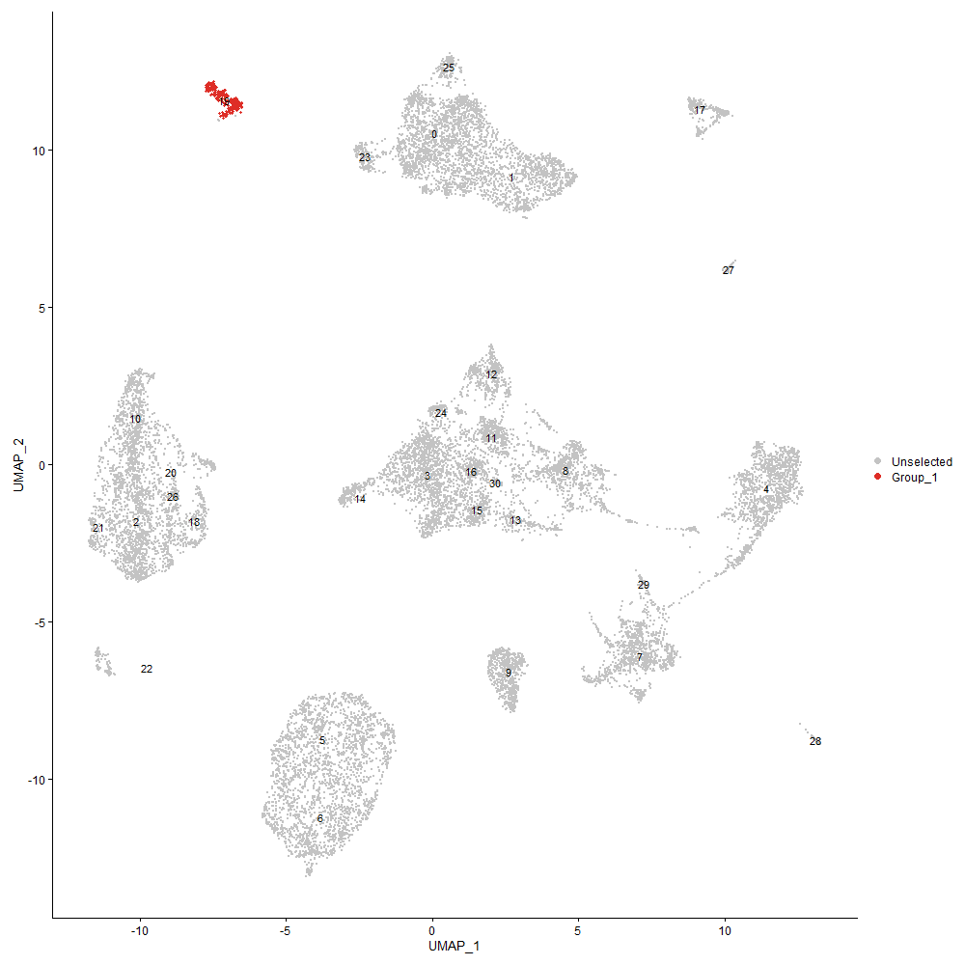
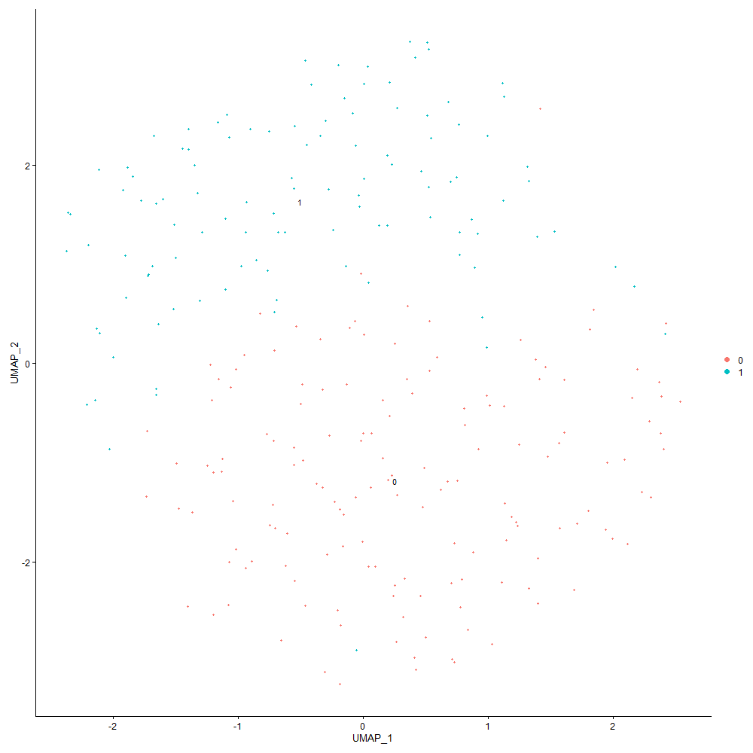
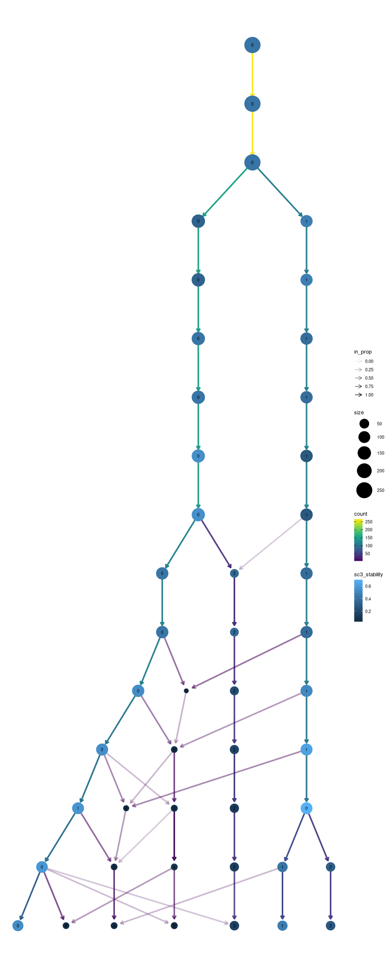

Cluster0
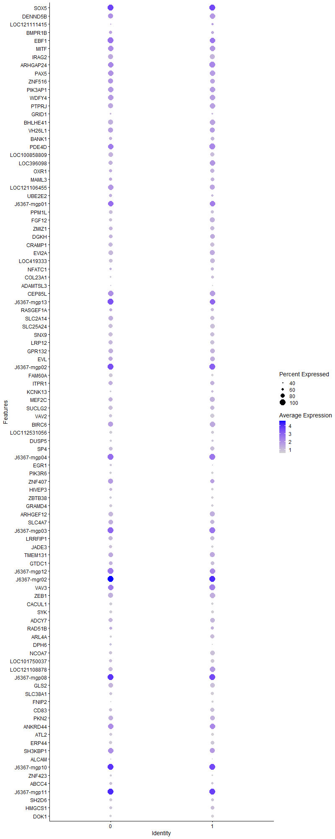
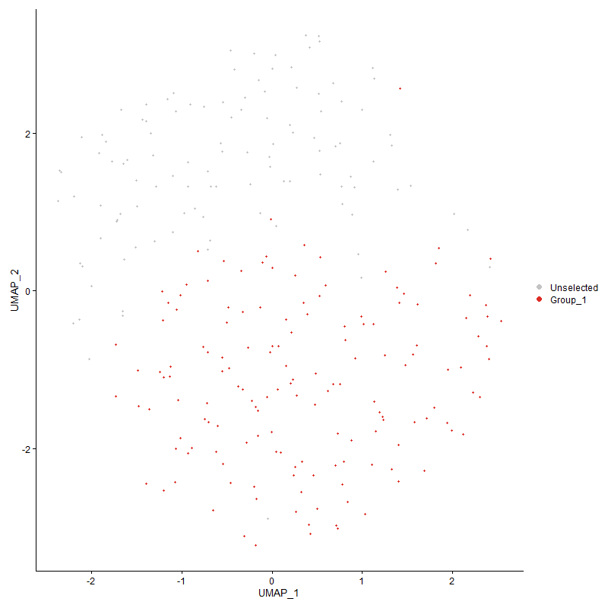
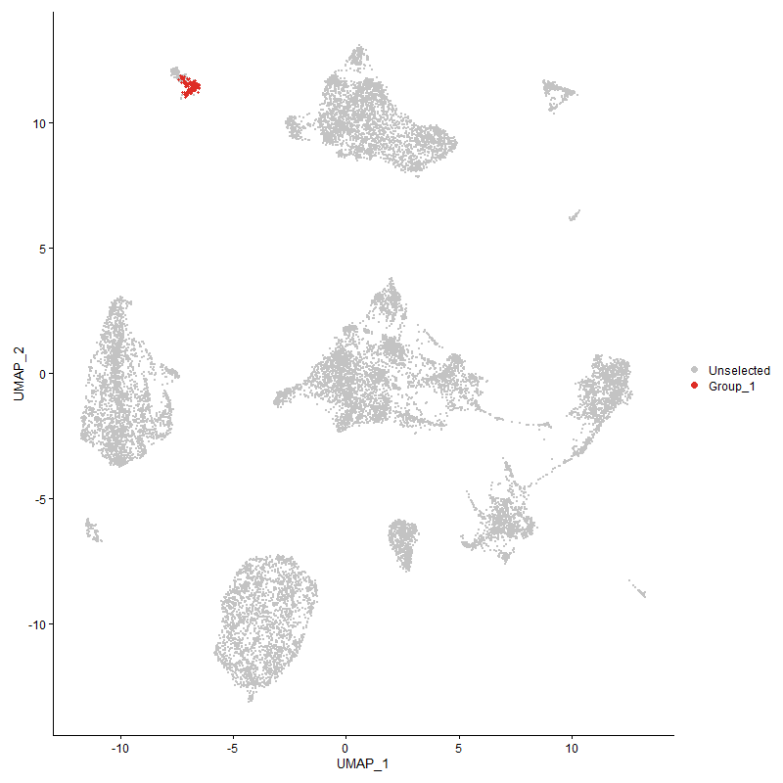
 | p_val | avg_log2FC | pct.1 | pct.2 | p_val_adj | cluster | gene
SOX5 | 0 | 4.6787078149 | 1 | 0.048 | 0 | 0 | SOX5
DENND5B | 7.1494426482E-230 | 2.3906062876 | 0.934 | 0.119 | 1.0917913868E-225 | 0 | DENND5B
LOC121111415 | 0 | 2.3242095999 | 0.417 | 0.004 | 0 | 0 | LOC121111415
BMPR1B | 0 | 2.0043780832 | 0.675 | 0.032 | 0 | 0 | BMPR1B
EBF1 | 2.6687912112E-141 | 1.9657340181 | 1 | 0.18 | 4.0755110587E-137 | 0 | EBF1
MITF | 1.6746870608E-97 | 1.8025011908 | 0.974 | 0.276 | 2.5574146105E-93 | 0 | MITF
IRAG2 | 3.2976123161E-222 | 1.7816509577 | 0.94 | 0.126 | 5.035783768E-218 | 0 | IRAG2
ARHGAP24 | 2.6712455071E-95 | 1.7126512022 | 0.98 | 0.296 | 4.0792590139E-91 | 0 | ARHGAP24
PAX5 | 3.7605000346E-139 | 1.6994057412 | 0.96 | 0.172 | 5.7426596029E-135 | 0 | PAX5
ZNF516 | 2.4707827377E-90 | 1.6946175276 | 0.907 | 0.267 | 3.7731323187E-86 | 0 | ZNF516
PIK3AP1 | 8.6280375673E-98 | 1.6525538417 | 0.974 | 0.316 | 1.3175876169E-93 | 0 | PIK3AP1
WDFY4 | 1.7058888773E-128 | 1.6215483089 | 0.98 | 0.208 | 2.6050629045E-124 | 0 | WDFY4
PTPRJ | 4.754405822E-142 | 1.6110506136 | 0.927 | 0.183 | 7.2604531308E-138 | 0 | PTPRJ
GRID1 | 3.2930838319E-219 | 1.5079018357 | 0.497 | 0.03 | 5.0288683197E-215 | 0 | GRID1
BHLHE41 | 1.0750577738E-169 | 1.4613785637 | 0.907 | 0.139 | 1.6417207264E-165 | 0 | BHLHE41
VH26L1 | 2.9306958793E-120 | 1.4537046412 | 0.894 | 0.167 | 4.4754656773E-116 | 0 | VH26L1
BANK1 | 3.4624291084E-159 | 1.4460854271 | 0.682 | 0.082 | 5.2874754914E-155 | 0 | BANK1
PDE4D | 1.7606706716E-59 | 1.4424557673 | 0.993 | 0.512 | 2.6887201826E-55 | 0 | PDE4D
LOC100858809 | 4.0734260506E-113 | 1.3709567004 | 0.815 | 0.164 | 6.2205289218E-109 | 0 | LOC100858809
LOC396098 | 1.5468479836E-137 | 1.3692855942 | 0.815 | 0.131 | 2.3621915557E-133 | 0 | LOC396098
OXR1 | 2.2034223404E-51 | 1.3570058914 | 0.689 | 0.24 | 3.3648462561E-47 | 0 | OXR1
MAML3 | 3.827475125E-48 | 1.3246570631 | 0.656 | 0.217 | 5.8449372634E-44 | 0 | MAML3
LOC121106455 | 2.1308568315E-59 | 1.3237688642 | 0.96 | 0.434 | 3.2540314673E-55 | 0 | LOC121106455
UBE2E2 | 3.5623425185E-101 | 1.3192958293 | 0.689 | 0.117 | 5.4400532601E-97 | 0 | UBE2E2
J6367-mgp01 | 2.2809020682E-36 | 1.2933729228 | 0.987 | 0.879 | 3.4831655483E-32 | 0 | J6367-mgp01
PPM1L | 0 | 1.2657049336 | 0.748 | 0.047 | 0 | 0 | PPM1L
FGF12 | 2.6178395253E-254 | 1.2092317503 | 0.702 | 0.053 | 3.9977027391E-250 | 0 | FGF12
ZMIZ1 | 9.8540701961E-111 | 1.2070129772 | 0.748 | 0.132 | 1.5048150597E-106 | 0 | ZMIZ1
DGKH | 1.9830151121E-77 | 1.1911745293 | 0.762 | 0.184 | 3.0282623777E-73 | 0 | DGKH
CRAMP1 | 5.284145107E-77 | 1.1845494083 | 0.795 | 0.237 | 8.0694179929E-73 | 0 | CRAMP1
EVI2A | 5.4806998685E-94 | 1.1334492534 | 0.801 | 0.184 | 8.3695767692E-90 | 0 | EVI2A
LOC419333 | 6.2896881627E-146 | 1.1304041508 | 0.715 | 0.096 | 9.6049827933E-142 | 0 | LOC419333
NFATC1 | 8.4262027947E-16 | 1.1299268353 | 0.53 | 0.297 | 1.2867654288E-11 | 0 | NFATC1
COL23A1 | 0 | 1.1182724827 | 0.477 | 0.007 | 0 | 0 | COL23A1
ADAMTSL3 | 8.2378935473E-45 | 1.0806766147 | 0.417 | 0.092 | 1.2580087236E-40 | 0 | ADAMTSL3
CEP85L | 3.0025440206E-35 | 1.0689404815 | 0.954 | 0.686 | 4.5851849739E-31 | 0 | CEP85L
J6367-mgp13 | 3.6497319597E-46 | 1.0516491555 | 1 | 0.996 | 5.5735056756E-42 | 0 | J6367-mgp13
RASGEF1A | 8.7509461063E-28 | 1.0440712056 | 0.629 | 0.268 | 1.3363569799E-23 | 0 | RASGEF1A
SLC2A14 | 6.2567476744E-43 | 1.0357374038 | 0.828 | 0.392 | 9.5546793736E-39 | 0 | SLC2A14
SLC25A24 | 1.1127202989E-90 | 1.021623038 | 0.755 | 0.169 | 1.6992351685E-86 | 0 | SLC25A24
SNX9 | 1.1589063815E-76 | 1.0004110627 | 0.762 | 0.193 | 1.7697659352E-72 | 0 | SNX9
LRP12 | 3.2940125207E-55 | 0.99766227392 | 0.828 | 0.315 | 5.0302865204E-51 | 0 | LRP12
GPR132 | 2.2955962088E-44 | 0.97700233019 | 0.834 | 0.359 | 3.5056049705E-40 | 0 | GPR132
EVL | 5.3636596655E-27 | 0.96813692533 | 0.808 | 0.494 | 8.1908446752E-23 | 0 | EVL
J6367-mgp02 | 7.6924539525E-42 | 0.94723244925 | 1 | 0.995 | 1.1747146431E-37 | 0 | J6367-mgp02
FAM60A | 1.9360387896E-88 | 0.92362210925 | 0.695 | 0.145 | 2.9565248356E-84 | 0 | FAM60A
ITPR1 | 1.1919074893E-34 | 0.90347981103 | 0.808 | 0.365 | 1.8201619269E-30 | 0 | ITPR1
KCNK13 | 4.506180356E-111 | 0.90314359994 | 0.45 | 0.049 | 6.8813880217E-107 | 0 | KCNK13
MEF2C | 7.5308721267E-60 | 0.89597258445 | 0.801 | 0.218 | 1.1500394825E-55 | 0 | MEF2C
SUCLG2 | 4.264808292E-70 | 0.8948866583 | 0.762 | 0.197 | 6.5127887426E-66 | 0 | SUCLG2
VAV2 | 6.8837841915E-98 | 0.88979747776 | 0.695 | 0.123 | 1.0512226839E-93 | 0 | VAV2
BIRC6 | 1.0037425143E-26 | 0.88916723277 | 0.927 | 0.689 | 1.5328151935E-22 | 0 | BIRC6
LOC112531056 | 2.1565947171E-175 | 0.86078071939 | 0.623 | 0.06 | 3.2933357926E-171 | 0 | LOC112531056
DUSP5 | 3.4045115847E-87 | 0.85527809024 | 0.53 | 0.084 | 5.199029641E-83 | 0 | DUSP5
SP4 | 7.4103268821E-39 | 0.847991266 | 0.689 | 0.268 | 1.1316310182E-34 | 0 | SP4
J6367-mgp04 | 1.3981294707E-32 | 0.84233961609 | 1 | 0.975 | 2.1350835147E-28 | 0 | J6367-mgp04
EGR1 | 2.5458404835E-31 | 0.83880790218 | 0.477 | 0.152 | 3.8877530023E-27 | 0 | EGR1
PIK3R6 | 1.3355692726E-102 | 0.83416252232 | 0.596 | 0.091 | 2.0395478362E-98 | 0 | PIK3R6
ZNF407 | 6.5077361723E-24 | 0.82889775898 | 0.887 | 0.547 | 9.9379639087E-20 | 0 | ZNF407
HIVEP3 | 6.04034126E-16 | 0.82665661313 | 0.603 | 0.324 | 9.2242051382E-12 | 0 | HIVEP3
ZBTB38 | 3.168202659E-71 | 0.820294614 | 0.596 | 0.121 | 4.8381622806E-67 | 0 | ZBTB38
GRAMD4 | 2.4785874683E-65 | 0.81305898955 | 0.623 | 0.141 | 3.7850509229E-61 | 0 | GRAMD4
ARHGEF12 | 3.1502075279E-50 | 0.79511616539 | 0.848 | 0.303 | 4.8106819158E-46 | 0 | ARHGEF12
SLC4A7 | 4.5672081843E-24 | 0.78793071772 | 0.828 | 0.465 | 6.9745836183E-20 | 0 | SLC4A7
J6367-mgp03 | 1.5231598012E-27 | 0.78655880625 | 1 | 0.989 | 2.3260173325E-23 | 0 | J6367-mgp03
LRRFIP1 | 1.310240147E-28 | 0.78583368137 | 0.768 | 0.396 | 2.0008677285E-24 | 0 | LRRFIP1
JADE3 | 1.1953663555E-47 | 0.78381161993 | 0.662 | 0.207 | 1.8254439615E-43 | 0 | JADE3
TMEM131 | 4.1993526566E-25 | 0.78072919636 | 0.821 | 0.527 | 6.412831442E-21 | 0 | TMEM131
GTDC1 | 2.7926322109E-24 | 0.76883525985 | 0.735 | 0.366 | 4.2646286493E-20 | 0 | GTDC1
J6367-mgp12 | 8.7014400458E-31 | 0.76715577206 | 1 | 0.972 | 1.3287969094E-26 | 0 | J6367-mgp12
J6367-mgr02 | 6.3263666284E-14 | 0.76659395963 | 1 | 1 | 9.6609944782E-10 | 0 | J6367-mgr02
VAV3 | 5.8990747746E-24 | 0.75990316692 | 0.98 | 0.85 | 9.0084770883E-20 | 0 | VAV3
ZEB1 | 7.5357673718E-31 | 0.7588961241 | 0.901 | 0.51 | 1.1507870354E-26 | 0 | ZEB1
CACUL1 | 2.099087167E-64 | 0.75756118797 | 0.603 | 0.137 | 3.2055160128E-60 | 0 | CACUL1
SYK | 2.6715425919E-85 | 0.75662583186 | 0.609 | 0.107 | 4.0797126921E-81 | 0 | SYK
ADCY7 | 9.2326099168E-31 | 0.75576703887 | 0.775 | 0.374 | 1.4099118604E-26 | 0 | ADCY7
RAD51B | 1.5082889735E-14 | 0.75568760284 | 0.629 | 0.36 | 2.3033080914E-10 | 0 | RAD51B
ARL4A | 1.7854926362E-59 | 0.75231617116 | 0.477 | 0.098 | 2.7266258047E-55 | 0 | ARL4A
DPH6 | 1.860669247E-32 | 0.7520860579 | 0.563 | 0.187 | 2.841428007E-28 | 0 | DPH6
NCOA7 | 7.7497831553E-41 | 0.74360679666 | 0.656 | 0.215 | 1.1834693856E-36 | 0 | NCOA7
LOC101750037 | 5.8579358029E-25 | 0.73972189684 | 0.689 | 0.341 | 8.9456537646E-21 | 0 | LOC101750037
LOC121108878 | 3.9435431789E-60 | 0.73775743376 | 0.788 | 0.204 | 6.0221847885E-56 | 0 | LOC121108878
J6367-mgp08 | 2.3397686851E-30 | 0.73281699529 | 1 | 0.999 | 3.573060759E-26 | 0 | J6367-mgp08
GLS2 | 1.448955927E-30 | 0.7310536855 | 0.801 | 0.453 | 2.2127005962E-26 | 0 | GLS2
SLC38A1 | 9.9560848378E-28 | 0.72929341656 | 0.629 | 0.284 | 1.5203937156E-23 | 0 | SLC38A1
FNIP2 | 3.9874777879E-121 | 0.72751733668 | 0.397 | 0.035 | 6.0892773299E-117 | 0 | FNIP2
CD83 | 2.2493772418E-39 | 0.72500335877 | 0.689 | 0.232 | 3.4350239859E-35 | 0 | CD83
PKN2 | 1.2654141319E-19 | 0.72179504721 | 0.788 | 0.527 | 1.9324139209E-15 | 0 | PKN2
ANKRD44 | 2.3564270932E-28 | 0.72125454597 | 0.98 | 0.853 | 3.5984998141E-24 | 0 | ANKRD44
ATL2 | 2.555831573E-36 | 0.72057714205 | 0.636 | 0.23 | 3.9030103952E-32 | 0 | ATL2
ERP44 | 1.1785492723E-50 | 0.71909159398 | 0.675 | 0.203 | 1.7997625937E-46 | 0 | ERP44
SH3KBP1 | 1.7207058214E-19 | 0.71281825651 | 0.947 | 0.798 | 2.6276898599E-15 | 0 | SH3KBP1
ALCAM | 3.3044017123E-24 | 0.71081223344 | 0.424 | 0.134 | 5.0461518549E-20 | 0 | ALCAM
J6367-mgp10 | 3.5223806508E-30 | 0.70236497221 | 1 | 0.999 | 5.3790274919E-26 | 0 | J6367-mgp10
ZNF423 | 1.3968404601E-48 | 0.70047195029 | 0.536 | 0.13 | 2.1331150666E-44 | 0 | ZNF423
ABCC4 | 1.6202127426E-23 | 0.6905793023 | 0.55 | 0.233 | 2.4742268792E-19 | 0 | ABCC4
J6367-mgp11 | 1.2614642133E-30 | 0.68976951379 | 1 | 1 | 1.9263820001E-26 | 0 | J6367-mgp11
SH2D6 | 5.9244864974E-56 | 0.68890952343 | 0.623 | 0.151 | 9.0472833302E-52 | 0 | SH2D6
HMGCS1 | 8.527830844E-27 | 0.68286202333 | 0.563 | 0.223 | 1.3022850482E-22 | 0 | HMGCS1
DOK1 | 1.0991958944E-52 | 0.68281035032 | 0.563 | 0.137 | 1.6785820503E-48 | 0 | DOK1
ASXL2 | 1.6118395069E-20 | 0.68265705568 | 0.695 | 0.379 | 2.461440111E-16 | 0 | ASXL2
STX7 | 1.666725898E-49 | 0.68100295984 | 0.503 | 0.118 | 2.5452571189E-45 | 0 | STX7
TPM4 | 5.0449322064E-45 | 0.67911255331 | 0.596 | 0.174 | 7.7041159724E-41 | 0 | TPM4
B3GNT2 | 2.5322345547E-26 | 0.67491545403 | 0.609 | 0.266 | 3.8669753885E-22 | 0 | B3GNT2
SH3BP5 | 5.5413603122E-21 | 0.66867887394 | 0.57 | 0.266 | 8.4622113327E-17 | 0 | SH3BP5
PTK2 | 3.7002353615E-45 | 0.66782183884 | 0.629 | 0.176 | 5.6506294206E-41 | 0 | PTK2
LOC112532928 | 5.0881716538E-42 | 0.66733689542 | 0.517 | 0.137 | 7.7701469325E-38 | 0 | LOC112532928
NCOA2 | 2.630277684E-19 | 0.66719716031 | 0.887 | 0.627 | 4.0166970513E-15 | 0 | NCOA2
POU2F1 | 4.0719748038E-21 | 0.6671472582 | 0.748 | 0.404 | 6.2183127229E-17 | 0 | POU2F1
PLCG2 | 2.9894841905E-51 | 0.66610000741 | 0.742 | 0.214 | 4.5652413073E-47 | 0 | PLCG2
AGPAT5 | 5.6178277365E-49 | 0.65674143997 | 0.47 | 0.106 | 8.5789847363E-45 | 0 | AGPAT5
ZNF608 | 3.5885362698E-51 | 0.64972219376 | 0.464 | 0.096 | 5.4800537376E-47 | 0 | ZNF608
NCOR2 | 1.5036510363E-19 | 0.64742547644 | 0.854 | 0.585 | 2.2962254975E-15 | 0 | NCOR2
KMT2E | 5.0554631737E-20 | 0.64553827919 | 0.874 | 0.585 | 7.7201978126E-16 | 0 | KMT2E
LHFPL2 | 3.483526886E-79 | 0.63839520272 | 0.265 | 0.024 | 5.3196939077E-75 | 0 | LHFPL2
TCF12 | 6.8863948997E-15 | 0.63095828653 | 0.748 | 0.487 | 1.0516213651E-10 | 0 | TCF12
MSI2 | 8.8491575366E-24 | 0.63028122051 | 0.649 | 0.296 | 1.3513548474E-19 | 0 | MSI2
NAPEPLD | 1.7946288131E-111 | 0.62671875596 | 0.43 | 0.044 | 2.7405776605E-107 | 0 | NAPEPLD
TNIK | 5.5435058898E-23 | 0.62122487043 | 0.795 | 0.427 | 8.4654878443E-19 | 0 | TNIK
BLB1 | 6.5392291947E-36 | 0.62018320464 | 0.808 | 0.292 | 9.9860569032E-32 | 0 | BLB1
CYTIP | 1.2704956979E-36 | 0.61568475967 | 0.669 | 0.242 | 1.9401739802E-32 | 0 | CYTIP
RFWD2 | 6.8344730363E-22 | 0.61455227279 | 0.728 | 0.392 | 1.0436923774E-17 | 0 | RFWD2
P2RY8 | 8.3329904243E-11 | 0.61281037626 | 0.881 | 0.717 | 1.2725309677E-06 | 0 | P2RY8
LOC100859602 | 2.1908056119E-17 | 0.61087919756 | 0.907 | 0.776 | 3.3455792499E-13 | 0 | LOC100859602
PPP3CA | 1.5985323882E-18 | 0.61075616023 | 0.801 | 0.479 | 2.44111881E-14 | 0 | PPP3CA
ERGIC1 | 1.2042062591E-23 | 0.60869710812 | 0.583 | 0.254 | 1.8389433783E-19 | 0 | ERGIC1
IKZF3 | 1.328105748E-25 | 0.6073512563 | 0.682 | 0.311 | 2.0281502878E-21 | 0 | IKZF3
EPS15 | 1.9142830475E-30 | 0.60658996225 | 0.596 | 0.217 | 2.9233016418E-26 | 0 | EPS15
ATP2A3 | 5.5307942819E-24 | 0.60554039936 | 0.722 | 0.355 | 8.4460759479E-20 | 0 | ATP2A3
J6367-mgp07 | 1.9336322029E-20 | 0.60225560213 | 1 | 1 | 2.952849737E-16 | 0 | J6367-mgp07
DAPP1 | 6.7216042574E-39 | 0.59988223236 | 0.589 | 0.178 | 1.0264561861E-34 | 0 | DAPP1
WAPL | 7.8826427367E-21 | 0.59974827125 | 0.848 | 0.511 | 1.2037583723E-16 | 0 | WAPL
SBF2 | 2.1819718046E-26 | 0.59935212678 | 0.503 | 0.177 | 3.3320891428E-22 | 0 | SBF2
ABCE1 | 6.0922310975E-30 | 0.59872768484 | 0.444 | 0.135 | 9.303446109E-26 | 0 | ABCE1
LRRK2 | 1.5725144468E-204 | 0.59697418527 | 0.457 | 0.027 | 2.4013868117E-200 | 0 | LRRK2
SLC16A10 | 4.0844803621E-39 | 0.59497556475 | 0.444 | 0.109 | 6.237409961E-35 | 0 | SLC16A10
NUCB2 | 5.2949859046E-19 | 0.59355978147 | 0.603 | 0.303 | 8.085972975E-15 | 0 | NUCB2
IGLL1 | 5.874980268E-77 | 0.59302404094 | 0.748 | 0.163 | 8.9716823673E-73 | 0 | IGLL1
INO80 | 1.2363562813E-14 | 0.58997630504 | 0.662 | 0.434 | 1.8880396772E-10 | 0 | INO80
RAI1 | 5.3094204091E-23 | 0.58831081061 | 0.583 | 0.247 | 8.1080159067E-19 | 0 | RAI1
DHRSX | 2.010116445E-22 | 0.58578669793 | 0.55 | 0.216 | 3.0696488232E-18 | 0 | DHRSX
J6367-mgp06 | 2.4547537314E-17 | 0.58482123432 | 1 | 0.975 | 3.7486544232E-13 | 0 | J6367-mgp06
ARHGAP12 | 3.3487004909E-23 | 0.5840496239 | 0.563 | 0.233 | 5.1138005196E-19 | 0 | ARHGAP12
HK2 | 1.4554583989E-28 | 0.58354499845 | 0.589 | 0.232 | 2.222630521E-24 | 0 | HK2
TM9SF2 | 6.6429361563E-24 | 0.58337202425 | 0.609 | 0.274 | 1.0144427804E-19 | 0 | TM9SF2
MICAL2 | 1.1190362537E-41 | 0.58084025629 | 0.437 | 0.102 | 1.7088802631E-37 | 0 | MICAL2
GPR65 | 1.9392796882E-24 | 0.57493165994 | 0.603 | 0.262 | 2.9614740118E-20 | 0 | GPR65
BASP1 | 1.4808946411E-18 | 0.57281454965 | 0.603 | 0.291 | 2.2614742064E-14 | 0 | BASP1
REL | 6.0996208349E-17 | 0.57262126359 | 0.603 | 0.329 | 9.3147309769E-13 | 0 | REL
C6orf106 | 1.2429494186E-42 | 0.5706294748 | 0.543 | 0.15 | 1.8981080571E-38 | 0 | C6orf106
CAMK2D | 1.0062131963E-17 | 0.56918953431 | 0.808 | 0.495 | 1.5365881721E-13 | 0 | CAMK2D
PDE5A | 6.6734391648E-158 | 0.56908397423 | 0.371 | 0.023 | 1.0191008949E-153 | 0 | PDE5A
ARHGAP15 | 3.1190309008E-20 | 0.56009917753 | 1 | 0.983 | 4.7630720886E-16 | 0 | ARHGAP15
PHLPP1 | 3.9109372783E-25 | 0.55826911861 | 0.536 | 0.203 | 5.9723923178E-21 | 0 | PHLPP1
CCDC50 | 3.7065697363E-49 | 0.5573637266 | 0.477 | 0.105 | 5.6603026443E-45 | 0 | CCDC50
BMPR2 | 6.9424718183E-22 | 0.55350929968 | 0.755 | 0.371 | 1.0601848714E-17 | 0 | BMPR2
SUSD6 | 8.9142520214E-15 | 0.54745659916 | 0.874 | 0.642 | 1.3612954262E-10 | 0 | SUSD6
ADSS2 | 7.9441601094E-15 | 0.54741980546 | 0.623 | 0.354 | 1.2131526903E-10 | 0 | ADSS2
FHIT | 2.2590655894E-14 | 0.54640688146 | 0.517 | 0.233 | 3.4498190616E-10 | 0 | FHIT
ADIPOR2 | 4.5015983822E-16 | 0.54439033752 | 0.642 | 0.353 | 6.8743908895E-12 | 0 | ADIPOR2
PRKAG2 | 2.1715474386E-14 | 0.54226115146 | 0.411 | 0.184 | 3.3161700935E-10 | 0 | PRKAG2
PPP2R5C | 3.1621553713E-16 | 0.53954622636 | 0.689 | 0.402 | 4.8289274676E-12 | 0 | PPP2R5C
SUPT3H | 6.9882253917E-15 | 0.53474507872 | 0.629 | 0.328 | 1.0671718996E-10 | 0 | SUPT3H
FAM227B | 8.2628459712E-209 | 0.53172978398 | 0.252 | 0.007 | 1.2618192083E-204 | 0 | FAM227B
HIVEP2 | 7.5538618036E-13 | 0.5312517162 | 0.907 | 0.72 | 1.153550236E-08 | 0 | HIVEP2
AGO3 | 1.9128464559E-26 | 0.53043831744 | 0.623 | 0.25 | 2.9211078229E-22 | 0 | AGO3
PLA2G4A | 1.044358487E-38 | 0.52650964945 | 0.371 | 0.08 | 1.5948398454E-34 | 0 | PLA2G4A
SON | 1.8075517104E-16 | 0.52479153165 | 0.934 | 0.671 | 2.760312217E-12 | 0 | SON
UBL3 | 3.9018968608E-10 | 0.52187744182 | 0.457 | 0.266 | 5.9585866962E-06 | 0 | UBL3
EPN2 | 2.9241130103E-16 | 0.51832642685 | 0.609 | 0.327 | 4.4654129781E-12 | 0 | EPN2
HAVCR1 | 5.6551061715E-112 | 0.51339182424 | 0.391 | 0.036 | 8.6359126346E-108 | 0 | HAVCR1
DENND4A | 1.3161255575E-30 | 0.50989062481 | 0.656 | 0.232 | 2.0098553389E-26 | 0 | DENND4A
MEF2A | 5.3112748923E-12 | 0.5095916015 | 0.702 | 0.48 | 8.1108478881E-08 | 0 | MEF2A
DDX6 | 1.8928768976E-19 | 0.50828155872 | 0.722 | 0.4 | 2.8906123103E-15 | 0 | DDX6
PDE7A | 3.878227681E-17 | 0.50461590335 | 0.596 | 0.28 | 5.9224414916E-13 | 0 | PDE7A
FUS | 1.2174073227E-10 | 0.50347106834 | 0.907 | 0.737 | 1.8591027225E-06 | 0 | FUS
PMAIP1 | 7.8210163316E-10 | 0.50165822035 | 0.364 | 0.187 | 1.194347404E-05 | 0 | PMAIP1
ZCCHC11 | 1.4107691615E-14 | 0.49962131234 | 0.609 | 0.342 | 2.1543855865E-10 | 0 | ZCCHC11
TPD52L2 | 2.5718775136E-41 | 0.49683872754 | 0.483 | 0.122 | 3.927514151E-37 | 0 | TPD52L2
LRRK1 | 1.2493392309E-51 | 0.4966997744 | 0.291 | 0.041 | 1.9078659395E-47 | 0 | LRRK1
INPP5D | 6.8511929464E-17 | 0.49609828164 | 0.629 | 0.333 | 1.0462456748E-12 | 0 | INPP5D
WBP2NL | 3.2543610622E-25 | 0.49508034562 | 0.503 | 0.19 | 4.9697347781E-21 | 0 | WBP2NL
METTL24 | 3.0448559035E-89 | 0.49429194665 | 0.245 | 0.018 | 4.6497994502E-85 | 0 | METTL24
CAPZB | 9.7597160661E-14 | 0.49420755366 | 0.589 | 0.348 | 1.4904062405E-09 | 0 | CAPZB
NT5C3A | 7.9126499653E-26 | 0.49195285059 | 0.523 | 0.189 | 1.2083407762E-21 | 0 | NT5C3A
EZH2 | 4.2277959329E-07 | 0.49157331906 | 0.391 | 0.229 | 0.0064562671691 | 0 | EZH2
J6367-mgr01 | 2.5196172704E-10 | 0.48644418592 | 1 | 0.999 | 3.8477075336E-06 | 0 | J6367-mgr01
TCF20 | 3.0995480275E-12 | 0.48420935104 | 0.609 | 0.356 | 4.7333197928E-08 | 0 | TCF20
MAPK9 | 4.430546474E-38 | 0.48127254368 | 0.391 | 0.09 | 6.7658875205E-34 | 0 | MAPK9
GRAPL | 7.2875067912E-28 | 0.47982151963 | 0.53 | 0.185 | 1.1128751621E-23 | 0 | GRAPL
MARCH8 | 1.882919486E-14 | 0.47877172575 | 0.722 | 0.41 | 2.8754063471E-10 | 0 | MARCH8
AKAP1 | 3.1461740883E-18 | 0.46797646563 | 0.397 | 0.151 | 4.8045224502E-14 | 0 | AKAP1
J6367-mgp05 | 4.8971263323E-13 | 0.4667271054 | 0.523 | 0.282 | 7.4784016221E-09 | 0 | J6367-mgp05
LOC121106732 | 4.9436601807E-45 | 0.4656042168 | 0.238 | 0.032 | 7.5494634619E-41 | 0 | LOC121106732
TMEM245 | 3.6911164489E-12 | 0.46429181625 | 0.556 | 0.311 | 5.6367039291E-08 | 0 | TMEM245
LSP1P1 | 7.8859892859E-13 | 0.46239978875 | 0.675 | 0.416 | 1.2042694239E-08 | 0 | LSP1P1
TCF4 | 2.3624756357E-18 | 0.45996203507 | 0.477 | 0.189 | 3.6077365433E-14 | 0 | TCF4
KIAA1109 | 2.0191691082E-09 | 0.45935679226 | 0.556 | 0.36 | 3.0834731451E-05 | 0 | KIAA1109
HSP90B1 | 8.4566547946E-18 | 0.4572733159 | 0.53 | 0.234 | 1.2914157537E-13 | 0 | HSP90B1
LOC124417627 | 6.5218554482E-28 | 0.45591504844 | 0.444 | 0.135 | 9.9595254549E-24 | 0 | LOC124417627
LOC101747727 | 6.2257391373E-120 | 0.455706312 | 0.232 | 0.012 | 9.5073262366E-116 | 0 | LOC101747727
NOP58 | 6.7850671013E-15 | 0.45559099329 | 0.424 | 0.192 | 1.036147597E-10 | 0 | NOP58
SLC10A7 | 1.2478839611E-15 | 0.45381779702 | 0.649 | 0.345 | 1.905643597E-11 | 0 | SLC10A7
PYGL | 1.2722792243E-61 | 0.4513773929 | 0.377 | 0.057 | 1.9428976035E-57 | 0 | PYGL
FAM49B | 2.3137707879E-09 | 0.45074300132 | 0.788 | 0.582 | 3.5333593702E-05 | 0 | FAM49B
LOC107054859 | 7.5161377318E-121 | 0.45014500521 | 0.311 | 0.021 | 1.147789393E-116 | 0 | LOC107054859
CSNK1D | 2.0963563327E-14 | 0.44944426795 | 0.629 | 0.344 | 3.2013457557E-10 | 0 | CSNK1D
PLXNC1 | 1.3294932102E-17 | 0.44851087027 | 0.709 | 0.363 | 2.0302690814E-13 | 0 | PLXNC1
ARF6 | 1.1574295756E-16 | 0.44568553882 | 0.695 | 0.367 | 1.7675107048E-12 | 0 | ARF6
TRAF3 | 6.6501201314E-09 | 0.44508187389 | 0.788 | 0.571 | 0.00010155398453 | 0 | TRAF3
OSGIN2 | 8.6873119934E-29 | 0.44439868915 | 0.391 | 0.11 | 1.3266394145E-24 | 0 | OSGIN2
SYNGR3 | 1.392084859E-41 | 0.44425524553 | 0.377 | 0.078 | 2.1258527882E-37 | 0 | SYNGR3
FAM126B | 5.2453338299E-28 | 0.43991376437 | 0.483 | 0.153 | 8.0101492916E-24 | 0 | FAM126B
TNNT3 | 6.429858183E-27 | 0.43960792322 | 0.377 | 0.108 | 9.8190364312E-23 | 0 | TNNT3
LOC124418221 | 6.4295590721E-22 | 0.43660765274 | 0.45 | 0.163 | 9.818579659E-18 | 0 | LOC124418221
SPTLC2 | 1.1200947125E-18 | 0.43303034385 | 0.45 | 0.177 | 1.7104966355E-14 | 0 | SPTLC2
CDK13 | 9.2074817063E-16 | 0.43271865276 | 0.662 | 0.355 | 1.4060745314E-11 | 0 | CDK13
PGS1 | 5.3631869952E-59 | 0.43151324263 | 0.311 | 0.042 | 8.1901228604E-55 | 0 | PGS1
KIAA0040 | 2.7783831867E-25 | 0.43109642336 | 0.397 | 0.123 | 4.2428689644E-21 | 0 | KIAA0040
ATF4 | 2.9843348801E-13 | 0.43003619091 | 0.735 | 0.463 | 4.5573777954E-09 | 0 | ATF4
NCKIPSD | 3.4947781323E-49 | 0.42934859691 | 0.338 | 0.056 | 5.3368756858E-45 | 0 | NCKIPSD
CLIC2 | 1.7066634523E-14 | 0.42522175719 | 0.596 | 0.314 | 2.606245758E-10 | 0 | CLIC2
MDM4 | 4.8829573548E-24 | 0.4234532742 | 0.464 | 0.163 | 7.4567641765E-20 | 0 | MDM4
ZFYVE21 | 6.3614160535E-34 | 0.42181702589 | 0.437 | 0.116 | 9.7145184553E-30 | 0 | ZFYVE21
ARID4A | 3.1109454164E-05 | 0.42044783807 | 0.55 | 0.419 | 0.47507247454 | 0 | ARID4A
RERE | 1.549295498E-11 | 0.41804394765 | 0.609 | 0.358 | 2.365929155E-07 | 0 | RERE
HPS3 | 4.3248257092E-16 | 0.41495278703 | 0.53 | 0.247 | 6.6044413406E-12 | 0 | HPS3
MN1 | 3.605425622E-86 | 0.41398667234 | 0.278 | 0.023 | 5.5058454674E-82 | 0 | MN1
TIMP3 | 4.7719046225E-28 | 0.41273714588 | 0.245 | 0.048 | 7.287175549E-24 | 0 | TIMP3
SUCO | 1.2032181796E-32 | 0.41217504349 | 0.437 | 0.119 | 1.8374344821E-28 | 0 | SUCO
ESYT2 | 8.0920516538E-13 | 0.41077617194 | 0.709 | 0.424 | 1.2357372081E-08 | 0 | ESYT2
RBMS1 | 2.9371645679E-07 | 0.40620768047 | 0.57 | 0.391 | 0.0044853440116 | 0 | RBMS1
RASGRP3 | 1.1008380839E-22 | 0.40519954579 | 0.344 | 0.101 | 1.681089838E-18 | 0 | RASGRP3
MCU | 5.9680544484E-15 | 0.40376206151 | 0.523 | 0.239 | 9.1138159482E-11 | 0 | MCU
MYO1C | 3.4594994608E-21 | 0.40148862018 | 0.351 | 0.11 | 5.2830016265E-17 | 0 | MYO1C
LAMP3 | 8.8590555247E-53 | 0.40111621756 | 0.358 | 0.058 | 1.3528663692E-48 | 0 | LAMP3
MICAL3 | 4.5346312941E-12 | 0.40052857693 | 0.258 | 0.094 | 6.9248354492E-08 | 0 | MICAL3
RHOH | 1.9270051666E-09 | 0.40019577815 | 0.53 | 0.308 | 2.94272959E-05 | 0 | RHOH
CDC42SE2 | 3.8954250299E-08 | 0.39943424686 | 0.583 | 0.383 | 0.00059487035631 | 0 | CDC42SE2
ARID2 | 7.6773656227E-12 | 0.39517819608 | 0.768 | 0.497 | 1.1724105042E-07 | 0 | ARID2
RNF144B | 1.0888133879E-09 | 0.39411447623 | 0.483 | 0.273 | 1.6627269247E-05 | 0 | RNF144B
CPEB2 | 1.8740112485E-12 | 0.39289164215 | 0.391 | 0.171 | 2.8618025776E-08 | 0 | CPEB2
CCDC160 | 0 | 0.39281507678 | 0.252 | 0.003 | 0 | 0 | CCDC160
PRKCQ | 0.00057435426139 | 0.38922402364 | 0.523 | 0.408 | 1 | 0 | PRKCQ
ERO1B | 1.2750034116E-07 | 0.38849944288 | 0.444 | 0.267 | 0.0019470577098 | 0 | ERO1B
DISC1 | 6.2313334949E-10 | 0.38463741494 | 0.53 | 0.286 | 9.51586938E-06 | 0 | DISC1
MEF2D | 3.255862697E-10 | 0.38444653843 | 0.603 | 0.365 | 4.9720279246E-06 | 0 | MEF2D
DOCK2 | 3.1501658589E-08 | 0.38127345285 | 0.987 | 0.88 | 0.00048106182832 | 0 | DOCK2
PIAS1 | 6.7425990131E-07 | 0.3800699674 | 0.649 | 0.468 | 0.010296622953 | 0 | PIAS1
HIC2 | 5.6123164646E-32 | 0.37962898761 | 0.351 | 0.079 | 8.570568473E-28 | 0 | HIC2
PSEN1 | 8.0801125475E-27 | 0.37958236882 | 0.351 | 0.093 | 1.2339139871E-22 | 0 | PSEN1
SMAD1 | 1.1592313156E-21 | 0.37854654145 | 0.212 | 0.047 | 1.7702621421E-17 | 0 | SMAD1
BRD2 | 2.4280287829E-11 | 0.37647870345 | 0.649 | 0.398 | 3.7078427544E-07 | 0 | BRD2
EXOC4 | 2.6406396522E-10 | 0.37620011729 | 0.927 | 0.74 | 4.0325208129E-06 | 0 | EXOC4
HSF3 | 4.0360580109E-09 | 0.37617425927 | 0.47 | 0.276 | 6.1634641885E-05 | 0 | HSF3
ELP4 | 4.8415060963E-13 | 0.37584222169 | 0.272 | 0.096 | 7.3934639597E-09 | 0 | ELP4
TMCC3 | 4.8411390442E-77 | 0.37542523034 | 0.219 | 0.016 | 7.3929034343E-73 | 0 | TMCC3
IL16 | 5.1398190429E-14 | 0.37531362381 | 0.523 | 0.253 | 7.8490176604E-10 | 0 | IL16
LOC112530184 | 0.0031522809698 | 0.37382589024 | 0.119 | 0.062 | 1 | 0 | LOC112530184
BICD2 | 6.7546434391E-09 | 0.37153175024 | 0.682 | 0.46 | 0.00010315015996 | 0 | BICD2
CCDC177 | 0 | 0.37064343308 | 0.252 | 0.003 | 0 | 0 | CCDC177
LOC121106981 | 1.4742017739E-09 | 0.36952685572 | 0.921 | 0.746 | 2.251253529E-05 | 0 | LOC121106981
MYLK3 | 9.4358631944E-31 | 0.36950342982 | 0.311 | 0.069 | 1.4409506684E-26 | 0 | MYLK3
SIPA1L2 | 7.1626511801E-14 | 0.36845065776 | 0.272 | 0.092 | 1.0938084617E-09 | 0 | SIPA1L2
CPE | 2.9947854444E-50 | 0.3675471614 | 0.205 | 0.022 | 4.5733368521E-46 | 0 | CPE
CCDC88B | 5.2308366735E-09 | 0.36529803543 | 0.656 | 0.483 | 7.9880106842E-05 | 0 | CCDC88B
BCL7A | 3.2652522972E-12 | 0.36390289025 | 0.351 | 0.152 | 4.9863667831E-08 | 0 | BCL7A
ZFAND5 | 2.3035768881E-17 | 0.3635645205 | 0.384 | 0.145 | 3.5177922658E-13 | 0 | ZFAND5
SPOPL | 4.5137663744E-08 | 0.36327523413 | 0.623 | 0.451 | 0.00068929726303 | 0 | SPOPL
SNX13 | 1.9222071227E-07 | 0.36293226046 | 0.43 | 0.257 | 0.0029354024971 | 0 | SNX13
RCSD1 | 5.8509533923E-06 | 0.36237324865 | 0.53 | 0.382 | 0.089349909254 | 0 | RCSD1
CDK19 | 3.8069523155E-07 | 0.3614471871 | 0.51 | 0.325 | 0.005813596881 | 0 | CDK19
SNX2 | 4.1888760274E-19 | 0.36118652695 | 0.285 | 0.084 | 6.3968325814E-15 | 0 | SNX2
LOC107052653 | 1.9276917393E-167 | 0.36009962766 | 0.159 | 0.003 | 2.9437780551E-163 | 0 | LOC107052653
GMIP | 1.1615805154E-15 | 0.35812906167 | 0.298 | 0.104 | 1.7738496051E-11 | 0 | GMIP
FGD4 | 1.0065452777E-08 | 0.35811119573 | 0.265 | 0.114 | 0.00015370952936 | 0 | FGD4
SOS2 | 1.1855791204E-17 | 0.35704003381 | 0.318 | 0.106 | 1.8104978748E-13 | 0 | SOS2
ATP10D | 3.2738397589E-34 | 0.35697167123 | 0.245 | 0.042 | 4.9994806958E-30 | 0 | ATP10D
PPARD | 3.4861924283E-29 | 0.35674728315 | 0.344 | 0.086 | 5.3237644573E-25 | 0 | PPARD
CYB561A3 | 3.4262957134E-32 | 0.35589595429 | 0.258 | 0.049 | 5.232296184E-28 | 0 | CYB561A3
DEK | 3.3246770534E-08 | 0.35439678153 | 0.457 | 0.276 | 0.00050771143283 | 0 | DEK
IRF8 | 6.4374536402E-30 | 0.35321627831 | 0.291 | 0.064 | 9.830635454E-26 | 0 | IRF8
ARL8B | 9.6393776365E-25 | 0.35314563296 | 0.325 | 0.087 | 1.4720293589E-20 | 0 | ARL8B
ITPRIP | 6.3670476564E-10 | 0.3513414987 | 0.344 | 0.169 | 9.723118476E-06 | 0 | ITPRIP
PRDM2 | 2.1484035475E-18 | 0.34952443059 | 0.397 | 0.142 | 3.2808270573E-14 | 0 | PRDM2
MBNL3 | 3.5658303231E-08 | 0.349202532 | 0.874 | 0.699 | 0.00054453794864 | 0 | MBNL3
NMT2 | 9.3937951012E-25 | 0.34887304379 | 0.331 | 0.09 | 1.4345264499E-20 | 0 | NMT2
AKAP11 | 7.2429789169E-17 | 0.34737620663 | 0.411 | 0.159 | 1.1060753104E-12 | 0 | AKAP11
NF1 | 5.3365363484E-08 | 0.34705334717 | 0.623 | 0.406 | 0.00081494246577 | 0 | NF1
SCFD2 | 4.2259934142E-18 | 0.34625586098 | 0.358 | 0.12 | 6.4535145428E-14 | 0 | SCFD2
RP2 | 6.1518930385E-17 | 0.34451980805 | 0.404 | 0.155 | 9.3945558592E-13 | 0 | RP2
ACTR3 | 9.6005634536E-10 | 0.34349613603 | 0.656 | 0.42 | 1.466102045E-05 | 0 | ACTR3
CARD11 | 6.3911186804E-09 | 0.34166682875 | 0.444 | 0.254 | 9.7598773369E-05 | 0 | CARD11
POLA1 | 1.2112810174E-08 | 0.34145120725 | 0.51 | 0.298 | 0.00018497472417 | 0 | POLA1
TLR1A | 1.7706580425E-37 | 0.34115295696 | 0.291 | 0.053 | 2.7039718966E-33 | 0 | TLR1A
TRIM24 | 6.0542476937E-12 | 0.33905741721 | 0.397 | 0.181 | 9.245441653E-08 | 0 | TRIM24
STK10 | 3.0536804547E-08 | 0.3387298362 | 0.675 | 0.488 | 0.00046632754224 | 0 | STK10
J6367-mgp09 | 3.7106998223E-15 | 0.33785176642 | 0.497 | 0.227 | 5.6666096987E-11 | 0 | J6367-mgp09
SLAMF8 | 6.4250766301E-186 | 0.33602428095 | 0.232 | 0.007 | 9.8117345218E-182 | 0 | SLAMF8
DUSP10 | 5.6633178652E-08 | 0.33574801311 | 0.391 | 0.218 | 0.0008648452712 | 0 | DUSP10
SLC39A10 | 3.6560077086E-19 | 0.33565241387 | 0.384 | 0.13 | 5.5830893719E-15 | 0 | SLC39A10
KDM3B | 2.3587944427E-12 | 0.33363990553 | 0.45 | 0.212 | 3.6021149935E-08 | 0 | KDM3B
BTRC | 1.2704926036E-09 | 0.33324237171 | 0.483 | 0.264 | 1.940169255E-05 | 0 | BTRC
SLC4A4 | 1.5758855284E-85 | 0.3316502547 | 0.199 | 0.012 | 2.4065347904E-81 | 0 | SLC4A4
GTF2H1 | 7.086953293E-12 | 0.33163699635 | 0.49 | 0.251 | 1.0822486374E-07 | 0 | GTF2H1
SLC25A25 | 2.2984781521E-16 | 0.33101721606 | 0.344 | 0.125 | 3.5100059861E-12 | 0 | SLC25A25
DAZAP1 | 6.2418719869E-05 | 0.33064529914 | 0.543 | 0.388 | 0.95319627112 | 0 | DAZAP1
RPL22L1 | 8.036853474E-25 | 0.3282897587 | 0.325 | 0.086 | 1.227307894E-20 | 0 | RPL22L1
UBE2J1 | 0.00055691250518 | 0.32824777727 | 0.45 | 0.348 | 1 | 0 | UBE2J1
HBS1L | 3.8988081115E-09 | 0.3280597754 | 0.503 | 0.285 | 5.9538698671E-05 | 0 | HBS1L
EFL1 | 4.7784040309E-11 | 0.32787399644 | 0.331 | 0.145 | 7.2971007955E-07 | 0 | EFL1
FRRS1L | 2.2424624802E-52 | 0.32568505108 | 0.212 | 0.022 | 3.4244644535E-48 | 0 | FRRS1L
RHOT1 | 1.0299126515E-20 | 0.32458902141 | 0.285 | 0.078 | 1.5727796101E-16 | 0 | RHOT1
PRKD3 | 2.6035850512E-06 | 0.32373099049 | 0.424 | 0.279 | 0.039759347317 | 0 | PRKD3
UBE2E1 | 2.8442584511E-12 | 0.32338971795 | 0.318 | 0.129 | 4.3434670807E-08 | 0 | UBE2E1
ZBED1 | 7.6781707584E-21 | 0.32113275166 | 0.318 | 0.094 | 1.1725334565E-16 | 0 | ZBED1
CYFIP1 | 2.2802132857E-12 | 0.32074674629 | 0.437 | 0.203 | 3.4821137085E-08 | 0 | CYFIP1
CDCA4 | 6.9100214541E-16 | 0.32067272967 | 0.364 | 0.138 | 1.0552293763E-11 | 0 | CDCA4
C20orf112 | 5.5541446725E-46 | 0.32058134703 | 0.245 | 0.033 | 8.4817343293E-42 | 0 | C20orf112
J6367-mgt03 | 1.130758761E-16 | 0.31771055778 | 0.285 | 0.092 | 1.726781704E-12 | 0 | J6367-mgt03
AKTIP | 3.0517235145E-13 | 0.31768726307 | 0.325 | 0.128 | 4.6602869791E-09 | 0 | AKTIP
CARHSP1 | 3.4353162152E-09 | 0.31765915199 | 0.377 | 0.191 | 5.2460713922E-05 | 0 | CARHSP1
LY96 | 2.7694410859E-15 | 0.31705708344 | 0.325 | 0.118 | 4.2292134823E-11 | 0 | LY96
RAPGEF1 | 1.7837072138E-15 | 0.31650235881 | 0.384 | 0.15 | 2.7238992861E-11 | 0 | RAPGEF1
GRK3 | 4.8885360934E-07 | 0.3161843674 | 0.662 | 0.478 | 0.0074652834682 | 0 | GRK3
ZRANB2 | 4.4507591245E-20 | 0.31585991609 | 0.245 | 0.063 | 6.796754259E-16 | 0 | ZRANB2
SHC4 | 4.7072787159E-73 | 0.31552172203 | 0.219 | 0.017 | 7.1884853271E-69 | 0 | SHC4
MAPK8IP3 | 1.3532072106E-08 | 0.31507799621 | 0.437 | 0.246 | 0.00020664827313 | 0 | MAPK8IP3
G3BP2 | 1.9017382621E-07 | 0.31458762143 | 0.464 | 0.29 | 0.0029041445001 | 0 | G3BP2
PIK3CB | 3.5699500753E-09 | 0.31430808733 | 0.583 | 0.331 | 5.45167076E-05 | 0 | PIK3CB
ROCK1 | 3.6747159523E-05 | 0.31326019071 | 0.868 | 0.791 | 0.56116587307 | 0 | ROCK1
ST3GAL1 | 1.4916678243E-46 | 0.31270616096 | 0.113 | 0.007 | 2.2779259345E-42 | 0 | ST3GAL1
TMED10 | 6.3669097891E-11 | 0.31263797483 | 0.689 | 0.415 | 9.7229079389E-07 | 0 | TMED10
BCL11A | 6.8595206698E-31 | 0.31177949671 | 0.603 | 0.177 | 1.0475174015E-26 | 0 | BCL11A
HIF1A | 4.6638826914E-08 | 0.31099861513 | 0.728 | 0.494 | 0.0007122215258 | 0 | HIF1A
VPS26A | 1.028498072E-17 | 0.30892859207 | 0.305 | 0.097 | 1.5706194058E-13 | 0 | VPS26A
YTHDC1 | 2.2535463262E-06 | 0.30797410403 | 0.742 | 0.579 | 0.034413905948 | 0 | YTHDC1
YWHAG | 8.3794505571E-18 | 0.30643551161 | 0.265 | 0.078 | 1.2796258946E-13 | 0 | YWHAG
JMJD1C | 2.4286058118E-10 | 0.30638654019 | 0.762 | 0.506 | 3.7087239351E-06 | 0 | JMJD1C
CBFB | 3.3236476141E-06 | 0.30450086641 | 0.397 | 0.244 | 0.050755422715 | 0 | CBFB
HDAC2 | 3.2971446851E-11 | 0.30436645496 | 0.477 | 0.241 | 5.0350696486E-07 | 0 | HDAC2
PRRC2C | 2.2395445437E-10 | 0.30374349495 | 0.841 | 0.614 | 3.4200084728E-06 | 0 | PRRC2C
LOC101751371 | 2.7588554902E-15 | 0.30250702906 | 0.238 | 0.072 | 4.2130482191E-11 | 0 | LOC101751371
SPI1 | 1.6932607711E-13 | 0.30167556329 | 0.464 | 0.203 | 2.5857785236E-09 | 0 | SPI1
NSMAF | 7.7274148193E-14 | 0.30155611572 | 0.351 | 0.139 | 1.1800535171E-09 | 0 | NSMAF
LOC101748601 | 1.097184001E-113 | 0.30145886192 | 0.113 | 0.003 | 1.6755096879E-109 | 0 | LOC101748601
LOC420411 | 2.1791068631E-33 | 0.30026188837 | 0.291 | 0.058 | 3.3277140906E-29 | 0 | LOC420411
TTC39C | 4.4928528304E-13 | 0.29964523782 | 0.291 | 0.107 | 6.8610355573E-09 | 0 | TTC39C
ODC | 6.1516961762E-11 | 0.29954596191 | 0.285 | 0.116 | 9.3942552306E-07 | 0 | ODC
PSMA3 | 2.1751224598E-26 | 0.29818167166 | 0.305 | 0.074 | 3.3216295084E-22 | 0 | PSMA3
NCF4 | 1.1069610596E-43 | 0.29778515808 | 0.265 | 0.039 | 1.6904402342E-39 | 0 | NCF4
GLT1D1 | 1.5157411458E-32 | 0.29756517871 | 0.252 | 0.045 | 2.3146883037E-28 | 0 | GLT1D1
CD79B | 6.7981472098E-22 | 0.29749624392 | 0.391 | 0.121 | 1.0381450604E-17 | 0 | CD79B
HPS5 | 3.3913380944E-15 | 0.29722483257 | 0.358 | 0.135 | 5.178912404E-11 | 0 | HPS5
UVSSA | 6.1363674067E-09 | 0.29695315304 | 0.338 | 0.165 | 9.3708466668E-05 | 0 | UVSSA
PXYLP1 | 1.6198420923E-10 | 0.29683524596 | 0.358 | 0.161 | 2.4736608591E-06 | 0 | PXYLP1
LIMD1 | 6.0250555577E-17 | 0.29555324479 | 0.232 | 0.064 | 9.2008623421E-13 | 0 | LIMD1
TLR2 | 9.2536220785E-107 | 0.29505806299 | 0.192 | 0.009 | 1.4131206276E-102 | 0 | TLR2
LOC124417285 | 1.8669339549E-16 | 0.29273392878 | 0.205 | 0.053 | 2.8509948425E-12 | 0 | LOC124417285
EZR | 3.3671495582E-09 | 0.29245573462 | 0.384 | 0.191 | 5.1419740903E-05 | 0 | EZR
TRABD | 3.5109449574E-25 | 0.29245372765 | 0.265 | 0.061 | 5.3615640444E-21 | 0 | TRABD
ATP11A | 1.0643741164E-11 | 0.29208211318 | 0.318 | 0.13 | 1.6254057131E-07 | 0 | ATP11A
WDR1 | 8.0862070359E-10 | 0.29056772264 | 0.417 | 0.215 | 1.2348446765E-05 | 0 | WDR1
PDCD6IP | 3.6936626461E-08 | 0.28930254804 | 0.483 | 0.295 | 0.00056405922268 | 0 | PDCD6IP
WDR37 | 1.6812225448E-13 | 0.28898052148 | 0.331 | 0.129 | 2.5673949482E-09 | 0 | WDR37
PLD4 | 2.4855369172E-28 | 0.28860465264 | 0.252 | 0.05 | 3.7956634263E-24 | 0 | PLD4
LOC121108550 | 1.5124369756E-11 | 0.28815464652 | 0.291 | 0.119 | 2.3096425054E-07 | 0 | LOC121108550
RCAN1 | 3.8156989824E-10 | 0.28799036284 | 0.344 | 0.155 | 5.826953916E-06 | 0 | RCAN1
CYB5R4 | 4.3673658214E-13 | 0.28742076552 | 0.325 | 0.127 | 6.6694043459E-09 | 0 | CYB5R4
SMIM13 | 2.370748718E-24 | 0.28722285187 | 0.238 | 0.052 | 3.6203703673E-20 | 0 | SMIM13
TDRD3 | 4.4843662817E-06 | 0.28685741216 | 0.477 | 0.306 | 0.068480757487 | 0 | TDRD3
ASH1L | 2.8336351729E-09 | 0.28657324526 | 0.583 | 0.342 | 4.3272442725E-05 | 0 | ASH1L
LPGAT1 | 1.6330954875E-13 | 0.28615404836 | 0.351 | 0.139 | 2.493900119E-09 | 0 | LPGAT1
TMSB15B | 6.7097845014E-20 | 0.28546226252 | 0.377 | 0.122 | 1.0246511912E-15 | 0 | TMSB15B
CEP83 | 2.3981584741E-34 | 0.28478960738 | 0.212 | 0.032 | 3.6622278059E-30 | 0 | CEP83
LOC112532929 | 2.2755222529E-12 | 0.28442659631 | 0.159 | 0.043 | 3.4749500324E-08 | 0 | LOC112532929
ATXN7 | 5.7075341125E-06 | 0.28442351021 | 0.417 | 0.265 | 0.087159753431 | 0 | ATXN7
KLF6 | 5.5337321393E-06 | 0.2843901468 | 0.563 | 0.39 | 0.0845056235 | 0 | KLF6
MDFIC | 5.534035163E-09 | 0.2841111963 | 0.291 | 0.133 | 8.4510250973E-05 | 0 | MDFIC
FAF2 | 6.1842442306E-13 | 0.2840218766 | 0.411 | 0.18 | 9.4439593646E-09 | 0 | FAF2
ELF1 | 2.3499263046E-06 | 0.28357204046 | 0.748 | 0.606 | 0.035885724597 | 0 | ELF1
ABCC13 | 1.3795086827E-29 | 0.28199996458 | 0.245 | 0.047 | 2.1066477094E-25 | 0 | ABCC13
ZDHHC14 | 0.0012551523162 | 0.28187409662 | 0.384 | 0.274 | 1 | 0 | ZDHHC14
OXSR1 | 3.0730767274E-09 | 0.27963341957 | 0.278 | 0.122 | 4.6928954705E-05 | 0 | OXSR1
PTGER4 | 1.400279736E-09 | 0.27820605256 | 0.232 | 0.091 | 2.1383671848E-05 | 0 | PTGER4
PRKX | 7.8928921919E-08 | 0.27763656705 | 0.437 | 0.236 | 0.0012053235666 | 0 | PRKX
TTC7B | 1.3091380812E-19 | 0.27742866047 | 0.185 | 0.039 | 1.9991847638E-15 | 0 | TTC7B
MAPRE1 | 8.7860518157E-15 | 0.27661715094 | 0.331 | 0.123 | 1.3417179728E-10 | 0 | MAPRE1
CYBB | 2.8108029708E-08 | 0.27656449301 | 0.258 | 0.115 | 0.00042923772167 | 0 | CYBB
ATRIP | 8.1540145354E-21 | 0.2765047367 | 0.265 | 0.069 | 1.2451995597E-16 | 0 | ATRIP
TM9SF3 | 2.4133159159E-06 | 0.27507218668 | 0.609 | 0.439 | 0.036853747352 | 0 | TM9SF3
LOC423110 | 0.00011931577676 | 0.2748542462 | 0.556 | 0.446 | 1 | 0 | LOC423110
PCASP2 | 1.654472776E-12 | 0.2748427031 | 0.325 | 0.128 | 2.5265453763E-08 | 0 | PCASP2
AP1S2 | 1.5793457229E-08 | 0.2746456551 | 0.305 | 0.144 | 0.00024118188535 | 0 | AP1S2
FMR1NB | 1.4237991736E-17 | 0.27425846643 | 0.252 | 0.071 | 2.1742837181E-13 | 0 | FMR1NB
CDC42BPB | 3.7921436739E-10 | 0.27413908532 | 0.477 | 0.253 | 5.7909826044E-06 | 0 | CDC42BPB
LYN | 1.2027906809E-17 | 0.27395732503 | 0.808 | 0.349 | 1.8367816488E-13 | 0 | LYN
TRA2B | 1.6233018605E-08 | 0.27333785327 | 0.649 | 0.433 | 0.00024789442712 | 0 | TRA2B
U2AF1 | 2.3587152355E-05 | 0.27261434879 | 0.464 | 0.311 | 0.36019940362 | 0 | U2AF1
ARHGEF7 | 5.5636607961E-09 | 0.27245316788 | 0.371 | 0.181 | 8.4962664017E-05 | 0 | ARHGEF7
LOC101748935 | 9.4563259039E-21 | 0.27193333435 | 0.185 | 0.038 | 1.4440755288E-16 | 0 | LOC101748935
FAM172A | 2.3873046896E-05 | 0.27176672469 | 0.669 | 0.484 | 0.36456529915 | 0 | FAM172A
WASF2 | 1.5617039778E-11 | 0.271486834 | 0.377 | 0.17 | 2.3848781445E-07 | 0 | WASF2
PHYKPL | 4.364860292E-136 | 0.27069197166 | 0.152 | 0.004 | 6.6655781519E-132 | 0 | PHYKPL
SCAF11 | 1.9795749816E-07 | 0.26961078903 | 0.457 | 0.268 | 0.0030230089544 | 0 | SCAF11
ABTB2 | 1.1717850145E-70 | 0.26917317003 | 0.146 | 0.008 | 1.7894328957E-66 | 0 | ABTB2
MAP2K3 | 3.9234264891E-16 | 0.26876860571 | 0.272 | 0.084 | 5.9914645915E-12 | 0 | MAP2K3
DUSP1 | 0.0060194531214 | 0.26826786247 | 0.457 | 0.368 | 1 | 0 | DUSP1
RAB10 | 2.2671548151E-06 | 0.26789342429 | 0.417 | 0.257 | 0.034621721181 | 0 | RAB10
CMSS1 | 1.0030096917E-05 | 0.26692845555 | 0.404 | 0.24 | 0.15316961003 | 0 | CMSS1
SWAP70 | 2.2058293108E-11 | 0.26687368214 | 0.384 | 0.171 | 3.3685219405E-07 | 0 | SWAP70
ADAM10 | 2.5119942892E-05 | 0.26623927735 | 0.682 | 0.512 | 0.38360664791 | 0 | ADAM10
BTK | 4.5618015367E-11 | 0.26528529224 | 0.291 | 0.117 | 6.9663271267E-07 | 0 | BTK
VWA8 | 2.1848711127E-15 | 0.26517298867 | 0.305 | 0.103 | 3.3365166763E-11 | 0 | VWA8
CLPTM1L | 4.6324973452E-07 | 0.26459335655 | 0.298 | 0.154 | 0.0070742866959 | 0 | CLPTM1L
LOC107051628 | 1.1948754122E-15 | 0.26457892029 | 0.338 | 0.12 | 1.824694242E-11 | 0 | LOC107051628
PPP1R21 | 8.0422337413E-11 | 0.26425688688 | 0.325 | 0.14 | 1.2281295146E-06 | 0 | PPP1R21
ATRX | 9.9180119929E-06 | 0.26414611553 | 0.735 | 0.565 | 0.15145796114 | 0 | ATRX
TAF15 | 8.4270788067E-11 | 0.26324683218 | 0.252 | 0.097 | 1.2868992046E-06 | 0 | TAF15
HSD17B12 | 1.6582619074E-35 | 0.26302617646 | 0.212 | 0.031 | 2.5323317589E-31 | 0 | HSD17B12
NAAA | 2.2907541541E-47 | 0.26292017811 | 0.205 | 0.023 | 3.4982106687E-43 | 0 | NAAA
MAP4 | 3.0363362576E-09 | 0.26237565079 | 0.272 | 0.118 | 4.6367890989E-05 | 0 | MAP4
FAM102A | 8.2401618676E-06 | 0.26230125042 | 0.424 | 0.266 | 0.12583551188 | 0 | FAM102A
LOC429054 | 3.5927474137E-31 | 0.26180798185 | 0.192 | 0.029 | 5.4864845754E-27 | 0 | LOC429054
ACVRL1 | 7.9015857642E-82 | 0.26154298513 | 0.205 | 0.013 | 1.206651162E-77 | 0 | ACVRL1
RHEB | 6.9246526152E-13 | 0.26107071494 | 0.285 | 0.103 | 1.0574637009E-08 | 0 | RHEB
FAM193A | 2.5469791582E-06 | 0.26093766512 | 0.483 | 0.304 | 0.038894918726 | 0 | FAM193A
MYO1G | 7.2812860273E-10 | 0.26056861379 | 0.377 | 0.183 | 1.1119251892E-05 | 0 | MYO1G
ARID3A | 1.6237303881E-08 | 0.25961881802 | 0.364 | 0.186 | 0.00024795986757 | 0 | ARID3A
NFASC | 1.1855168548E-283 | 0.25946561767 | 0.146 | 0.001 | 1.810402789E-279 | 0 | NFASC
ASPG | 1.9311590413E-17 | 0.25921249543 | 0.225 | 0.059 | 2.949072972E-13 | 0 | ASPG
TPM3 | 7.8197059995E-05 | 0.25857294517 | 0.609 | 0.46 | 1 | 0 | TPM3
LOC429518 | 4.0414878342E-19 | 0.25780622418 | 0.225 | 0.056 | 6.1717560715E-15 | 0 | LOC429518
ASCC3 | 0.00024238490412 | 0.25652092502 | 0.47 | 0.327 | 1 | 0 | ASCC3
ARL1 | 2.8047808841E-09 | 0.25504402544 | 0.305 | 0.138 | 4.2831808881E-05 | 0 | ARL1
DNAJB6 | 1.9471404038E-06 | 0.25479431166 | 0.556 | 0.364 | 0.029734781107 | 0 | DNAJB6
TSPOAP1 | 1.2907300967E-36 | 0.25370062787 | 0.166 | 0.019 | 1.9710739307E-32 | 0 | TSPOAP1
IRF5 | 1.9721765471E-28 | 0.25351040885 | 0.205 | 0.035 | 3.011710805E-24 | 0 | IRF5
PPM1B | 2.6860917643E-05 | 0.25257524365 | 0.603 | 0.431 | 0.41019307332 | 0 | PPM1B
LOC422308 | 1.0316164673E-16 | 0.25236577505 | 0.298 | 0.095 | 1.5753815072E-12 | 0 | LOC422308
LOC107053449 | 2.4043596695E-08 | 0.25210626843 | 0.146 | 0.048 | 0.00036716976513 | 0 | LOC107053449
ZC3H12A | 3.6457715777E-05 | 0.25193885726 | 0.258 | 0.144 | 0.55674577762 | 0 | ZC3H12A
ANO5 | 9.9666470529E-05 | 0.25113972813 | 0.55 | 0.401 | 1 | 0 | ANO5
FRMD8 | 1.1495898122E-11 | 0.25089772903 | 1 | 1 | 1.7555386022E-07 | 0 | FRMD8
ERN2 | 1.1872050732E-33 | 0.25041552013 | 0.212 | 0.033 | 1.8129808673E-29 | 0 | ERN2

Cluster1
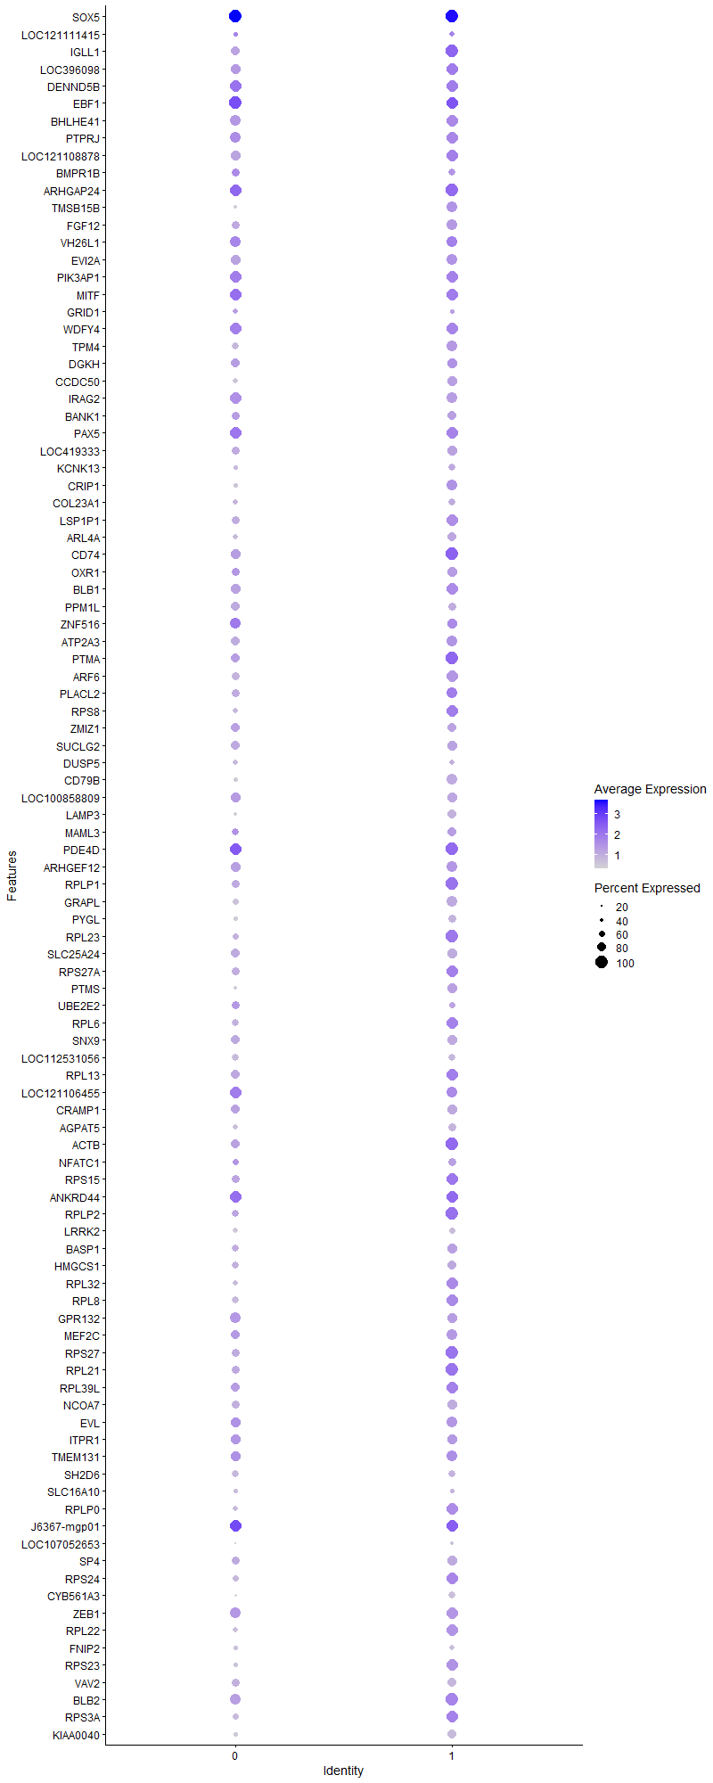
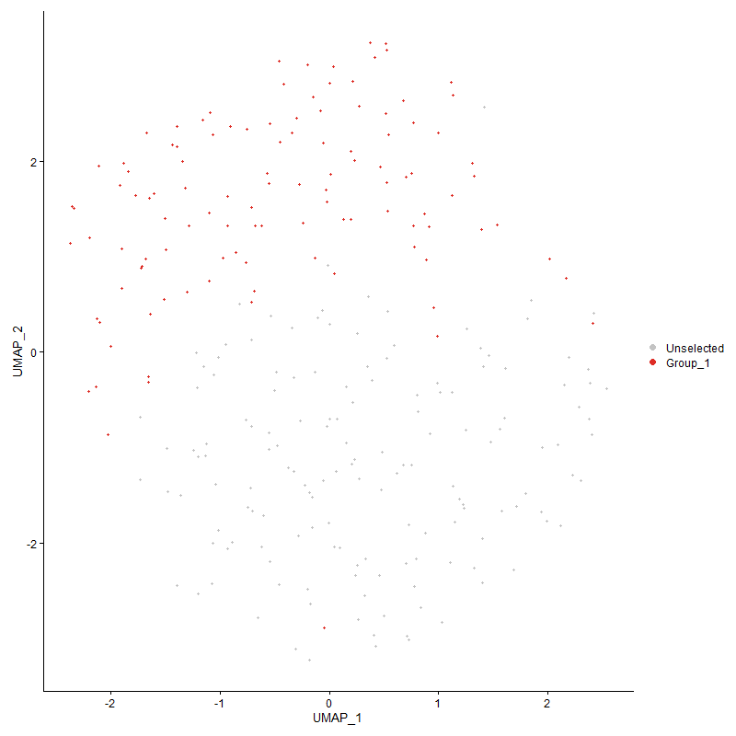
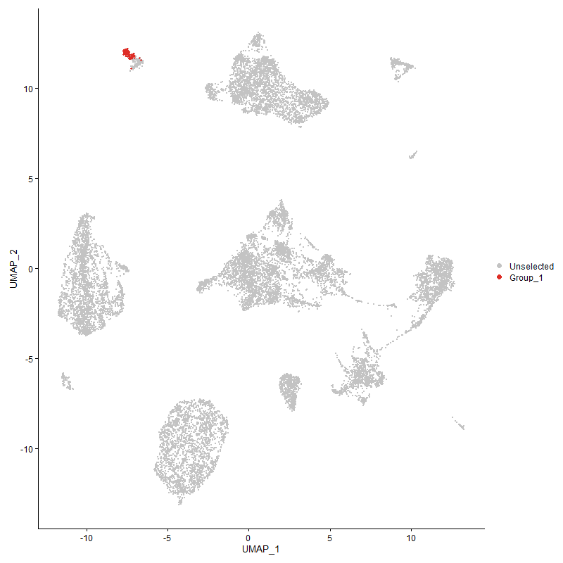
 | p_val | avg_log2FC | pct.1 | pct.2 | p_val_adj | cluster | gene
SOX51 | 0 | 4.4837404286 | 1 | 0.05 | 0 | 1 | SOX5
LOC1211114151 | 0 | 2.3210109412 | 0.482 | 0.004 | 0 | 1 | LOC121111415
IGLL11 | 4.367258411E-155 | 2.2487011448 | 1 | 0.163 | 6.6692403194E-151 | 1 | IGLL1
LOC3960981 | 7.3600770625E-177 | 2.1956821802 | 0.973 | 0.132 | 1.1239573682E-172 | 1 | LOC396098
DENND5B1 | 9.4845427819E-172 | 2.0885449187 | 0.955 | 0.121 | 1.4483845282E-167 | 1 | DENND5B
EBF11 | 7.1873935822E-99 | 1.8247444131 | 0.991 | 0.182 | 1.0975868739E-94 | 1 | EBF1
BHLHE411 | 1.6880706394E-161 | 1.823826755 | 0.982 | 0.14 | 2.5778526734E-157 | 1 | BHLHE41
PTPRJ1 | 7.7407563644E-119 | 1.7697677039 | 0.973 | 0.185 | 1.1820909044E-114 | 1 | PTPRJ
LOC1211088781 | 3.8518281991E-106 | 1.7206287125 | 0.973 | 0.205 | 5.8821268428E-102 | 1 | LOC121108878
BMPR1B1 | 4.0160033797E-224 | 1.7195477418 | 0.607 | 0.034 | 6.1328387611E-220 | 1 | BMPR1B
ARHGAP241 | 1.5921720833E-71 | 1.6452749263 | 1 | 0.298 | 2.4314059885E-67 | 1 | ARHGAP24
TMSB15B1 | 5.9655318586E-141 | 1.6415273902 | 0.866 | 0.119 | 9.1099637013E-137 | 1 | TMSB15B
FGF121 | 2.6410120057E-300 | 1.6241776905 | 0.866 | 0.054 | 4.0330894339E-296 | 1 | FGF12
VH26L11 | 1.4948755327E-89 | 1.5600729664 | 0.884 | 0.169 | 2.282824426E-85 | 1 | VH26L1
EVI2A1 | 1.4665725462E-97 | 1.5403530609 | 0.884 | 0.185 | 2.2396029353E-93 | 1 | EVI2A
PIK3AP11 | 4.6284119103E-65 | 1.5220672123 | 0.964 | 0.317 | 7.0680478282E-61 | 1 | PIK3AP1
MITF1 | 4.4342009589E-64 | 1.4823873907 | 0.946 | 0.278 | 6.7714682844E-60 | 1 | MITF
GRID11 | 3.0594578972E-119 | 1.477450112 | 0.429 | 0.031 | 4.6720981548E-115 | 1 | GRID1
WDFY41 | 3.0893969929E-85 | 1.4604610122 | 0.946 | 0.21 | 4.7178181478E-81 | 1 | WDFY4
TPM41 | 4.7436997027E-102 | 1.4396538792 | 0.857 | 0.173 | 7.244103816E-98 | 1 | TPM4
DGKH1 | 8.1210829775E-73 | 1.4197786955 | 0.812 | 0.185 | 1.2401705815E-68 | 1 | DGKH
CCDC501 | 4.225184558E-163 | 1.4131797227 | 0.866 | 0.103 | 6.4522793386E-159 | 1 | CCDC50
IRAG21 | 3.8285096578E-125 | 1.4069279659 | 0.857 | 0.129 | 5.8465170985E-121 | 1 | IRAG2
BANK11 | 2.9140335993E-141 | 1.3849882261 | 0.75 | 0.083 | 4.4500207095E-137 | 1 | BANK1
PAX51 | 1.5262174041E-91 | 1.3473744181 | 0.955 | 0.174 | 2.3306865977E-87 | 1 | PAX5
LOC4193331 | 2.2726645527E-144 | 1.3332540798 | 0.804 | 0.097 | 3.4705860384E-140 | 1 | LOC419333
KCNK131 | 1.4615396933E-159 | 1.3131357018 | 0.607 | 0.049 | 2.2319172656E-155 | 1 | KCNK13
CRIP1 | 8.5676656229E-58 | 1.2846217277 | 0.884 | 0.286 | 1.3083682173E-53 | 1 | CRIP1
COL23A11 | 0 | 1.2707494112 | 0.616 | 0.007 | 0 | 1 | COL23A1
LSP1P11 | 5.1207146793E-49 | 1.2510397079 | 0.929 | 0.415 | 7.8198433868E-45 | 1 | LSP1P1
ARL4A1 | 4.3910160728E-113 | 1.2322590024 | 0.714 | 0.097 | 6.7055206447E-109 | 1 | ARL4A
CD74 | 2.3555140233E-45 | 1.2180509773 | 1 | 0.373 | 3.597105465E-41 | 1 | CD74
OXR11 | 9.3726996624E-50 | 1.2144084883 | 0.786 | 0.24 | 1.4313049654E-45 | 1 | OXR1
BLB11 | 4.7556319728E-58 | 1.202360736 | 0.964 | 0.292 | 7.2623255857E-54 | 1 | BLB1
PPM1L1 | 1.7434946348E-196 | 1.1912962894 | 0.679 | 0.05 | 2.6624906568E-192 | 1 | PPM1L
ZNF5161 | 5.8888695047E-45 | 1.1868042399 | 0.839 | 0.269 | 8.9928926206E-41 | 1 | ZNF516
ATP2A31 | 7.3304478964E-46 | 1.185846015 | 0.893 | 0.355 | 1.1194326983E-41 | 1 | ATP2A3
PTMA | 7.80830882E-39 | 1.1789399393 | 1 | 0.789 | 1.1924068399E-34 | 1 | PTMA
ARF61 | 4.6501544076E-58 | 1.1610298423 | 0.955 | 0.366 | 7.1012507959E-54 | 1 | ARF6
PLACL2 | 1.6392477877E-32 | 1.1605513152 | 0.902 | 0.519 | 2.5032952966E-28 | 1 | PLACL2
RPS8 | 1.115001161E-34 | 1.1037858211 | 0.964 | 0.578 | 1.7027182729E-30 | 1 | RPS8
ZMIZ11 | 3.0113291858E-83 | 1.0988322934 | 0.759 | 0.133 | 4.5986007996E-79 | 1 | ZMIZ1
SUCLG21 | 3.1708874124E-59 | 1.0835236228 | 0.786 | 0.198 | 4.8422621675E-55 | 1 | SUCLG2
DUSP51 | 5.2355630284E-66 | 1.0775043875 | 0.527 | 0.085 | 7.9952283007E-62 | 1 | DUSP5
CD79B1 | 4.5751600874E-127 | 1.0761501792 | 0.857 | 0.119 | 6.9867269695E-123 | 1 | CD79B
LOC1008588091 | 1.384081004E-72 | 1.0608864213 | 0.786 | 0.166 | 2.1136301012E-68 | 1 | LOC100858809
LAMP31 | 2.8581748913E-196 | 1.0450598072 | 0.723 | 0.056 | 4.3647188765E-192 | 1 | LAMP3
MAML31 | 7.1085661196E-41 | 1.0375867106 | 0.723 | 0.218 | 1.0855491321E-36 | 1 | MAML3
PDE4D1 | 5.8496832277E-35 | 1.0374648583 | 1 | 0.513 | 8.933051257E-31 | 1 | PDE4D
ARHGEF121 | 4.464448803E-45 | 1.0256013969 | 0.866 | 0.304 | 6.817659767E-41 | 1 | ARHGEF12
RPLP1 | 2.0492485762E-32 | 1.0177307577 | 0.982 | 0.685 | 3.1294075007E-28 | 1 | RPLP1
GRAPL1 | 2.6130668107E-84 | 0.99497550493 | 0.866 | 0.183 | 3.9904143266E-80 | 1 | GRAPL
PYGL1 | 4.0071881298E-171 | 0.99453092227 | 0.67 | 0.056 | 6.119376993E-167 | 1 | PYGL
RPL23 | 9.6492977685E-34 | 0.9930619796 | 1 | 0.648 | 1.4735442622E-29 | 1 | RPL23
SLC25A241 | 2.0375532721E-76 | 0.98698932885 | 0.804 | 0.17 | 3.1115476018E-72 | 1 | SLC25A24
RPS27A | 6.168656378E-35 | 0.98538562815 | 0.982 | 0.615 | 9.4201551548E-31 | 1 | RPS27A
PTMS | 3.199126834E-40 | 0.98162019989 | 0.812 | 0.289 | 4.8853865881E-36 | 1 | PTMS
UBE2E21 | 4.2996325564E-41 | 0.97815290618 | 0.536 | 0.119 | 6.5659688769E-37 | 1 | UBE2E2
RPL6 | 3.6070468377E-30 | 0.97090556477 | 0.938 | 0.59 | 5.5083212259E-26 | 1 | RPL6
SNX91 | 5.1392116629E-58 | 0.96308469557 | 0.768 | 0.194 | 7.8480901305E-54 | 1 | SNX9
LOC1125310561 | 4.5742022394E-114 | 0.94356387287 | 0.58 | 0.061 | 6.9852642399E-110 | 1 | LOC112531056
RPL13 | 1.3511510025E-33 | 0.93514544263 | 0.991 | 0.661 | 2.063342696E-29 | 1 | RPL13
LOC1211064551 | 7.9630277846E-26 | 0.9347871866 | 0.875 | 0.435 | 1.216033973E-21 | 1 | LOC121106455
CRAMP11 | 8.0574501148E-44 | 0.90920684793 | 0.759 | 0.238 | 1.230453207E-39 | 1 | CRAMP1
AGPAT51 | 4.2564873605E-84 | 0.90887529115 | 0.67 | 0.105 | 6.5000818482E-80 | 1 | AGPAT5
ACTB | 2.0759881579E-27 | 0.90393043027 | 1 | 0.686 | 3.170241516E-23 | 1 | ACTB
NFATC11 | 4.1016789984E-25 | 0.90234933197 | 0.714 | 0.297 | 6.2636739985E-21 | 1 | NFATC1
RPS15 | 2.9945773174E-28 | 0.89891500642 | 0.973 | 0.705 | 4.5730190213E-24 | 1 | RPS15
ANKRD441 | 2.089297974E-27 | 0.89771790287 | 0.991 | 0.853 | 3.1905669361E-23 | 1 | ANKRD44
RPLP2 | 1.5557719976E-30 | 0.89068704228 | 1 | 0.708 | 2.3758194176E-26 | 1 | RPLP2
LRRK21 | 5.1962988449E-202 | 0.86775032688 | 0.518 | 0.027 | 7.935267966E-198 | 1 | LRRK2
BASP11 | 6.4380211246E-32 | 0.86632726328 | 0.777 | 0.291 | 9.8315020594E-28 | 1 | BASP1
HMGCS11 | 2.3098254994E-35 | 0.86114939699 | 0.688 | 0.223 | 3.5273345202E-31 | 1 | HMGCS1
RPL32 | 2.6059352193E-27 | 0.86057101742 | 0.946 | 0.539 | 3.9795236734E-23 | 1 | RPL32
RPL8 | 4.1092679037E-29 | 0.85463073202 | 0.964 | 0.571 | 6.2752630157E-25 | 1 | RPL8
GPR1321 | 3.0127699892E-31 | 0.85189828384 | 0.839 | 0.36 | 4.6008010505E-27 | 1 | GPR132
MEF2C1 | 1.3159108459E-51 | 0.83356972001 | 0.866 | 0.219 | 2.0095274528E-47 | 1 | MEF2C
RPS27 | 2.2611689223E-25 | 0.83300189197 | 1 | 0.747 | 3.4530310612E-21 | 1 | RPS27
RPL21 | 1.1477974973E-28 | 0.82605611035 | 0.991 | 0.715 | 1.7528015581E-24 | 1 | RPL21
RPL39L | 1.3296120523E-28 | 0.82374833299 | 0.982 | 0.681 | 2.0304505651E-24 | 1 | RPL39L
NCOA71 | 2.776230326E-58 | 0.81121448275 | 0.839 | 0.215 | 4.2395813309E-54 | 1 | NCOA7
EVL1 | 2.1021196942E-22 | 0.80913374408 | 0.866 | 0.495 | 3.210146985E-18 | 1 | EVL
ITPR11 | 2.7182727939E-23 | 0.80899436572 | 0.777 | 0.366 | 4.1510743835E-19 | 1 | ITPR1
TMEM1311 | 3.5080076151E-21 | 0.80859508722 | 0.866 | 0.527 | 5.3570784291E-17 | 1 | TMEM131
SH2D61 | 3.133120789E-41 | 0.80549665056 | 0.607 | 0.152 | 4.7845887568E-37 | 1 | SH2D6
SLC16A101 | 4.4037523679E-31 | 0.80418338045 | 0.446 | 0.109 | 6.7249702411E-27 | 1 | SLC16A10
RPLP0 | 1.1804005566E-23 | 0.80279040623 | 0.92 | 0.601 | 1.8025896899E-19 | 1 | RPLP0
J6367-mgp011 | 9.6665458502E-10 | 0.79773562109 | 0.982 | 0.879 | 1.4761782168E-05 | 1 | J6367-mgp01
LOC1070526531 | 0 | 0.79449766308 | 0.384 | 0.002 | 0 | 1 | LOC107052653
SP41 | 8.8839115585E-38 | 0.79409854015 | 0.786 | 0.269 | 1.3566621341E-33 | 1 | SP4
RPS24 | 2.3886172916E-27 | 0.79031925844 | 0.964 | 0.603 | 3.647657466E-23 | 1 | RPS24
CYB561A31 | 2.1020560369E-173 | 0.7902939897 | 0.625 | 0.047 | 3.2100497739E-169 | 1 | CYB561A3
ZEB11 | 1.7182120753E-25 | 0.78958126769 | 0.911 | 0.511 | 2.6238816601E-21 | 1 | ZEB1
RPL22 | 1.0332243553E-29 | 0.78741409792 | 0.973 | 0.517 | 1.577836913E-25 | 1 | RPL22
FNIP21 | 6.3617404596E-142 | 0.78179087379 | 0.491 | 0.035 | 9.7150138559E-138 | 1 | FNIP2
RPS23 | 2.3351954695E-27 | 0.78163128772 | 0.946 | 0.5 | 3.5660770014E-23 | 1 | RPS23
VAV21 | 2.9371972468E-80 | 0.77880501833 | 0.741 | 0.124 | 4.4853939155E-76 | 1 | VAV2
BLB2 | 6.6567961009E-42 | 0.77276593116 | 0.991 | 0.331 | 1.0165593326E-37 | 1 | BLB2
RPS3A | 7.1162844492E-21 | 0.77159245783 | 0.938 | 0.642 | 1.0867277982E-16 | 1 | RPS3A
KIAA00401 | 5.1836605098E-86 | 0.76836655971 | 0.732 | 0.121 | 7.9159679645E-82 | 1 | KIAA0040
RPL36A | 3.5811933307E-23 | 0.76247591363 | 0.938 | 0.513 | 5.4688403353E-19 | 1 | RPL36A
RPL37A | 2.9650543614E-24 | 0.7611263128 | 1 | 0.642 | 4.5279345154E-20 | 1 | RPL37A
HSP90B11 | 1.6255712303E-35 | 0.75360179221 | 0.723 | 0.234 | 2.4824098257E-31 | 1 | HSP90B1
RPL5 | 1.5872580012E-26 | 0.74813746902 | 0.911 | 0.469 | 2.4239016937E-22 | 1 | RPL5
ZBTB381 | 1.720188479E-45 | 0.74778872169 | 0.562 | 0.123 | 2.6268998263E-41 | 1 | ZBTB38
ADCY71 | 9.4598552678E-24 | 0.74738486139 | 0.812 | 0.374 | 1.4446144979E-19 | 1 | ADCY7
GRAMD41 | 1.4278849488E-39 | 0.73902511634 | 0.571 | 0.143 | 2.1805231053E-35 | 1 | GRAMD4
RPSAP58 | 1.4843932816E-25 | 0.7382619875 | 0.92 | 0.543 | 2.2668169803E-21 | 1 | RPSAP58
ACTR31 | 1.5119176879E-25 | 0.73098023051 | 0.83 | 0.419 | 2.3088495012E-21 | 1 | ACTR3
PMAIP11 | 9.5465117108E-13 | 0.73042962614 | 0.429 | 0.187 | 1.4578478034E-08 | 1 | PMAIP1
RPL4 | 1.6114940049E-22 | 0.72795181882 | 0.955 | 0.615 | 2.4609124949E-18 | 1 | RPL4
RPL29 | 2.8107763312E-21 | 0.72606905585 | 0.938 | 0.569 | 4.2923365354E-17 | 1 | RPL29
ERP441 | 7.8423062918E-39 | 0.72234481374 | 0.688 | 0.204 | 1.1975985938E-34 | 1 | ERP44
CD831 | 1.1646699217E-40 | 0.72187342698 | 0.786 | 0.232 | 1.7785674375E-36 | 1 | CD83
RPS25 | 2.4014238022E-22 | 0.72167893424 | 0.875 | 0.449 | 3.6672142884E-18 | 1 | RPS25
EEF1B2 | 5.2963387342E-26 | 0.71696900935 | 0.848 | 0.402 | 8.088038881E-22 | 1 | EEF1B2
ARHGAP121 | 2.6459966324E-33 | 0.71452928447 | 0.705 | 0.232 | 4.0407014573E-29 | 1 | ARHGAP12
MDM41 | 7.3665251435E-45 | 0.70544720104 | 0.634 | 0.163 | 1.1249420547E-40 | 1 | MDM4
PIK3R61 | 2.1430789593E-62 | 0.70478177614 | 0.554 | 0.093 | 3.2726958788E-58 | 1 | PIK3R6
RPS3 | 2.463152499E-24 | 0.70313262334 | 0.938 | 0.538 | 3.7614801813E-20 | 1 | RPS3
LRP121 | 2.1095950223E-26 | 0.69861793297 | 0.759 | 0.317 | 3.2215625585E-22 | 1 | LRP12
RPL12 | 4.7004397952E-21 | 0.69756000087 | 0.83 | 0.423 | 7.1780416112E-17 | 1 | RPL12
EGR11 | 2.3152001048E-17 | 0.69753155041 | 0.429 | 0.153 | 3.53554208E-13 | 1 | EGR1
NAPEPLD1 | 4.094160571E-90 | 0.69749751381 | 0.446 | 0.045 | 6.2521926079E-86 | 1 | NAPEPLD
FAM227B1 | 1.8695026671E-241 | 0.69070252396 | 0.312 | 0.007 | 2.8549175229E-237 | 1 | FAM227B
ZNF6081 | 2.879980612E-54 | 0.68989979252 | 0.536 | 0.097 | 4.3980183925E-50 | 1 | ZNF608
RPL35A | 8.6571853729E-18 | 0.68935271516 | 0.902 | 0.561 | 1.3220387783E-13 | 1 | RPL35A
RPS4Y1 | 3.7353712035E-19 | 0.6843490036 | 0.795 | 0.434 | 5.7042853649E-15 | 1 | RPS4Y1
UBA52 | 1.4481631439E-25 | 0.68199190511 | 0.911 | 0.454 | 2.211489937E-21 | 1 | UBA52
C6orf1061 | 1.8192306173E-53 | 0.6806191813 | 0.67 | 0.15 | 2.7781470757E-49 | 1 | C6orf106
ZNF4071 | 6.6250834103E-12 | 0.67896101924 | 0.795 | 0.549 | 1.0117164876E-07 | 1 | ZNF407
PLCG21 | 3.3819735051E-34 | 0.67744242471 | 0.714 | 0.216 | 5.1646117397E-30 | 1 | PLCG2
RPS15A | 2.847739529E-19 | 0.67652654327 | 0.893 | 0.524 | 4.3487830348E-15 | 1 | RPS15A
WAPL1 | 4.2797714738E-21 | 0.6749237328 | 0.857 | 0.511 | 6.5356390176E-17 | 1 | WAPL
PRKCB | 3.070114242E-33 | 0.67335069054 | 0.714 | 0.228 | 4.688371459E-29 | 1 | PRKCB
MYCBP | 2.3774115467E-78 | 0.67187658736 | 0.5 | 0.064 | 3.6305451729E-74 | 1 | MYCBP
RPS6 | 3.2030145541E-23 | 0.66636952605 | 0.821 | 0.426 | 4.8913235256E-19 | 1 | RPS6
CLIC21 | 3.7363925984E-32 | 0.66623359826 | 0.812 | 0.313 | 5.705845137E-28 | 1 | CLIC2
CSK | 1.0560935327E-28 | 0.66462859258 | 0.75 | 0.298 | 1.6127604338E-24 | 1 | CSK
SLC2A141 | 2.217725901E-18 | 0.66422870956 | 0.75 | 0.394 | 3.3866892234E-14 | 1 | SLC2A14
DOK11 | 6.8575109973E-43 | 0.66282304766 | 0.58 | 0.138 | 1.0472105044E-38 | 1 | DOK1
PKN21 | 3.7129303229E-17 | 0.66005538276 | 0.857 | 0.528 | 5.670015896E-13 | 1 | PKN2
RPS17 | 1.8245294413E-19 | 0.65977650906 | 0.955 | 0.649 | 2.7862389098E-15 | 1 | RPS17
RPL7A | 4.870443564E-22 | 0.65673720521 | 0.857 | 0.448 | 7.4376543666E-18 | 1 | RPL7A
CBFB1 | 5.0873219139E-30 | 0.65622161808 | 0.705 | 0.242 | 7.7688492947E-26 | 1 | CBFB
POU2AF1 | 2.2510282754E-119 | 0.65506001949 | 0.429 | 0.031 | 3.4375452794E-115 | 1 | POU2AF1
PTP4A2 | 3.4650799888E-50 | 0.64916070779 | 0.616 | 0.137 | 5.2915236508E-46 | 1 | PTP4A2
RPS11 | 4.9236924273E-16 | 0.64848859631 | 0.902 | 0.559 | 7.5189707057E-12 | 1 | RPS11
SPI11 | 2.0043415111E-33 | 0.6476700534 | 0.67 | 0.202 | 3.0608299217E-29 | 1 | SPI1
CYTIP1 | 1.2300161381E-29 | 0.64761553864 | 0.679 | 0.243 | 1.8783576445E-25 | 1 | CYTIP
JUND | 8.4277785818E-18 | 0.64646295432 | 0.92 | 0.563 | 1.2870060672E-13 | 1 | JUND
CACUL11 | 3.6972877483E-40 | 0.64278218948 | 0.562 | 0.138 | 5.6461281204E-36 | 1 | CACUL1
RPL35 | 3.8442237202E-18 | 0.64207819901 | 0.875 | 0.523 | 5.8705140431E-14 | 1 | RPL35
SYNGR31 | 1.4360942568E-68 | 0.63963492258 | 0.527 | 0.078 | 2.1930595395E-64 | 1 | SYNGR3
ASXL21 | 1.6637665454E-22 | 0.63772223431 | 0.804 | 0.379 | 2.5407378914E-18 | 1 | ASXL2
STK101 | 1.9417009983E-13 | 0.63332523708 | 0.768 | 0.488 | 2.9651715944E-09 | 1 | STK10
RPS26 | 2.0540901787E-19 | 0.63298611539 | 0.902 | 0.53 | 3.1368011118E-15 | 1 | RPS26
MBNL31 | 4.6010087768E-20 | 0.632922803 | 0.964 | 0.699 | 7.0262005031E-16 | 1 | MBNL3
CMTM3 | 8.7629387031E-58 | 0.62791769037 | 0.589 | 0.111 | 1.3381883694E-53 | 1 | CMTM3
IFI27L2 | 4.0255470203E-118 | 0.62370701385 | 0.429 | 0.031 | 6.1474128547E-114 | 1 | IFI27L2
DUSP11 | 2.0194021166E-10 | 0.62357367768 | 0.616 | 0.368 | 3.0838289722E-06 | 1 | DUSP1
FHIT1 | 5.0774288136E-11 | 0.62341960805 | 0.5 | 0.233 | 7.7537415412E-07 | 1 | FHIT
ADAMTSL31 | 2.6384517956E-30 | 0.62304518019 | 0.411 | 0.093 | 4.0291797371E-26 | 1 | ADAMTSL3
EVI2B | 1.37784409E-92 | 0.62192278465 | 0.482 | 0.05 | 2.1041057098E-88 | 1 | EVI2B
TNIK1 | 4.7894932215E-18 | 0.62178744106 | 0.804 | 0.427 | 7.3140350986E-14 | 1 | TNIK
SLC4A71 | 2.7623332919E-12 | 0.62131696059 | 0.741 | 0.467 | 4.21835917E-08 | 1 | SLC4A7
RPL27 | 2.0622056845E-19 | 0.62115691533 | 0.848 | 0.463 | 3.1491943009E-15 | 1 | RPL27
BCL7A1 | 2.1321942121E-33 | 0.62110741837 | 0.554 | 0.151 | 3.2560737814E-29 | 1 | BCL7A
RPS12 | 3.4490594622E-19 | 0.62060589215 | 0.938 | 0.57 | 5.2670587048E-15 | 1 | RPS12
RPL7 | 5.300258477E-21 | 0.61957293478 | 0.902 | 0.477 | 8.0940247202E-17 | 1 | RPL7
SYK1 | 1.7840342142E-52 | 0.61813742061 | 0.571 | 0.109 | 2.7243986485E-48 | 1 | SYK
CEP85L1 | 3.1892712076E-12 | 0.61654588918 | 0.938 | 0.686 | 4.8703360612E-08 | 1 | CEP85L
EPS151 | 1.731636918E-24 | 0.61616836856 | 0.607 | 0.218 | 2.6443827374E-20 | 1 | EPS15
RPL34 | 4.5191694096E-17 | 0.61407200561 | 0.893 | 0.531 | 6.9012236055E-13 | 1 | RPL34
RPS7 | 8.7698592971E-18 | 0.61173264859 | 0.83 | 0.485 | 1.3392452133E-13 | 1 | RPS7
TPM31 | 5.1102863753E-21 | 0.61075223788 | 0.857 | 0.459 | 7.8039183238E-17 | 1 | TPM3
PTGER41 | 2.6919492854E-45 | 0.60947835478 | 0.473 | 0.09 | 4.1108757537E-41 | 1 | PTGER4
CARHSP11 | 9.6978641204E-29 | 0.60937403547 | 0.598 | 0.19 | 1.4809608298E-24 | 1 | CARHSP1
RPS16 | 4.323583902E-21 | 0.60879152066 | 0.946 | 0.529 | 6.6025449767E-17 | 1 | RPS16
RPL10A | 5.4147827968E-24 | 0.60804544995 | 0.875 | 0.418 | 8.268914809E-20 | 1 | RPL10A
ADIPOR21 | 1.9063041925E-17 | 0.60582723011 | 0.688 | 0.354 | 2.9111171324E-13 | 1 | ADIPOR2
RPL31 | 2.6454880385E-20 | 0.60481133634 | 0.821 | 0.381 | 4.0399247836E-16 | 1 | RPL31
DSTN | 5.1613712899E-18 | 0.60325403956 | 0.955 | 0.659 | 7.8819300968E-14 | 1 | DSTN
RPL14 | 7.5045596148E-20 | 0.60261684667 | 0.92 | 0.509 | 1.1460212988E-15 | 1 | RPL14
RPS20 | 3.0629606704E-17 | 0.60148413119 | 0.902 | 0.527 | 4.6774472397E-13 | 1 | RPS20
RPL26L1 | 3.3025108642E-16 | 0.6011904334 | 0.839 | 0.487 | 5.0432643408E-12 | 1 | RPL26L1
IRF81 | 8.7996786059E-57 | 0.59992108761 | 0.429 | 0.063 | 1.3437989199E-52 | 1 | IRF8
RPS28 | 7.0793110363E-19 | 0.59860999717 | 0.982 | 0.694 | 1.0810815883E-14 | 1 | RPS28
RPS14 | 5.2673507038E-16 | 0.59518934377 | 0.92 | 0.584 | 8.0437712597E-12 | 1 | RPS14
LOC776816 | 1.3124272502E-17 | 0.59105033875 | 0.991 | 0.784 | 2.0042076537E-13 | 1 | LOC776816
J6367-mgp041 | 3.1699883595E-10 | 0.58731014745 | 1 | 0.975 | 4.8408892238E-06 | 1 | J6367-mgp04
MN11 | 2.221014097E-73 | 0.58668849035 | 0.295 | 0.024 | 3.3917106275E-69 | 1 | MN1
DMB2 | 1.3784462314E-50 | 0.58577759449 | 0.625 | 0.134 | 2.1050252399E-46 | 1 | DMB2
RPL23A | 1.0710068619E-16 | 0.58559546329 | 0.875 | 0.505 | 1.6355345788E-12 | 1 | RPL23A
UBASH3B | 6.731343461E-28 | 0.58541214543 | 0.518 | 0.149 | 1.0279434599E-23 | 1 | UBASH3B
VAV31 | 1.5484550275E-14 | 0.58540920275 | 1 | 0.85 | 2.3646456725E-10 | 1 | VAV3
ABCC41 | 6.3114438571E-19 | 0.58519698149 | 0.589 | 0.234 | 9.6382059142E-15 | 1 | ABCC4
LOC1125329281 | 2.8435444387E-22 | 0.58451516729 | 0.455 | 0.138 | 4.3423767123E-18 | 1 | LOC112532928
RAD51B1 | 1.0516598386E-09 | 0.58327194133 | 0.625 | 0.361 | 1.6059897395E-05 | 1 | RAD51B
OAF | 9.7313620262E-228 | 0.58182403745 | 0.295 | 0.007 | 1.486076295E-223 | 1 | OAF
RPL30 | 5.3791002801E-17 | 0.581156317 | 0.795 | 0.392 | 8.2144240378E-13 | 1 | RPL30
RASGRP31 | 1.3184123683E-46 | 0.57871701207 | 0.518 | 0.101 | 2.0133475276E-42 | 1 | RASGRP3
RPL37 | 4.2791000379E-21 | 0.57698304091 | 0.946 | 0.487 | 6.5346136678E-17 | 1 | RPL37
RPL19 | 1.3511087569E-18 | 0.57684942751 | 0.875 | 0.496 | 2.0632781826E-14 | 1 | RPL19
FRRS1L1 | 8.3078095579E-153 | 0.57609564645 | 0.402 | 0.021 | 1.2686855976E-148 | 1 | FRRS1L
RCSD11 | 2.9351418194E-11 | 0.57047885473 | 0.652 | 0.382 | 4.4822550724E-07 | 1 | RCSD1
METTL241 | 1.2541197122E-177 | 0.5658767753 | 0.393 | 0.017 | 1.9151662125E-173 | 1 | METTL24
PPP3CA1 | 2.8669082191E-14 | 0.56402019754 | 0.83 | 0.48 | 4.3780555413E-10 | 1 | PPP3CA
RPL15 | 2.5543697343E-19 | 0.56124358171 | 0.973 | 0.588 | 3.9007780213E-15 | 1 | RPL15
PHLPP11 | 2.6316307857E-30 | 0.55967492137 | 0.661 | 0.203 | 4.0187633729E-26 | 1 | PHLPP1
RPL38 | 1.3150544616E-14 | 0.5587223067 | 0.768 | 0.445 | 2.0082196683E-10 | 1 | RPL38
ZCCHC111 | 2.8979777263E-22 | 0.55627849947 | 0.75 | 0.342 | 4.4255017858E-18 | 1 | ZCCHC11
SON1 | 1.0993215755E-13 | 0.55564758617 | 0.92 | 0.672 | 1.678773978E-09 | 1 | SON
FAM60A1 | 6.3017355915E-30 | 0.55524849877 | 0.518 | 0.148 | 9.6233804218E-26 | 1 | FAM60A
PDE5A1 | 5.4544701856E-103 | 0.55377367499 | 0.348 | 0.024 | 8.3295214204E-99 | 1 | PDE5A
EEF1D | 4.2628092055E-20 | 0.55123938047 | 0.804 | 0.376 | 6.5097359378E-16 | 1 | EEF1D
LRRFIP11 | 1.6549025111E-14 | 0.5501419572 | 0.732 | 0.397 | 2.5272016248E-10 | 1 | LRRFIP1
DPH61 | 6.6051415334E-08 | 0.55003855779 | 0.375 | 0.189 | 0.0010086711636 | 1 | DPH6
RPS10 | 8.2396213569E-16 | 0.54327412753 | 0.929 | 0.607 | 1.2582725774E-11 | 1 | RPS10
DMA | 2.9802156268E-36 | 0.54004211476 | 0.607 | 0.159 | 4.5510872837E-32 | 1 | DMA
AP1S21 | 2.2538382126E-38 | 0.53904477403 | 0.58 | 0.142 | 3.4418363345E-34 | 1 | AP1S2
AGO31 | 1.4866102292E-13 | 0.53544110227 | 0.545 | 0.251 | 2.270202481E-09 | 1 | AGO3
ODC1 | 8.1363925219E-39 | 0.53436419775 | 0.509 | 0.115 | 1.242508502E-34 | 1 | ODC
VPS26A1 | 4.9900183483E-43 | 0.53366102375 | 0.482 | 0.096 | 7.6202570196E-39 | 1 | VPS26A
RASGEF1A1 | 2.2630277901E-18 | 0.53360328479 | 0.634 | 0.269 | 3.4558697382E-14 | 1 | RASGEF1A
SPTBN1 | 9.9256745609E-15 | 0.53345731765 | 0.938 | 0.731 | 1.5157497622E-10 | 1 | SPTBN1
NCL | 3.7675908926E-19 | 0.53238496781 | 0.821 | 0.435 | 5.7534880521E-15 | 1 | NCL
RPL27A | 2.1989578715E-13 | 0.52767511113 | 0.786 | 0.448 | 3.3580285656E-09 | 1 | RPL27A
IPMK | 1.7303063686E-25 | 0.52743165316 | 0.616 | 0.208 | 2.6423508556E-21 | 1 | IPMK
RPL9 | 2.6126206476E-13 | 0.52733258367 | 0.723 | 0.404 | 3.989732991E-09 | 1 | RPL9
BIRC61 | 2.0948909137E-13 | 0.52355133725 | 0.902 | 0.69 | 3.1991079143E-09 | 1 | BIRC6
PLXNC11 | 1.5655068872E-15 | 0.5205637466 | 0.741 | 0.364 | 2.3906855675E-11 | 1 | PLXNC1
RPS21 | 8.291474099E-15 | 0.51946298383 | 0.812 | 0.446 | 1.2661910097E-10 | 1 | RPS21
ARPC1B | 1.3658860247E-26 | 0.51868873176 | 0.688 | 0.248 | 2.0858445484E-22 | 1 | ARPC1B
PLEK | 1.2991552982E-27 | 0.51670071618 | 0.536 | 0.154 | 1.9839400559E-23 | 1 | PLEK
RPL36 | 4.1724172406E-16 | 0.514251717 | 0.777 | 0.4 | 6.3716983681E-12 | 1 | RPL36
BCL11A1 | 7.52579754E-45 | 0.51374786232 | 0.768 | 0.177 | 1.1492645423E-40 | 1 | BCL11A
NCOR21 | 7.2569410124E-09 | 0.51326262218 | 0.812 | 0.586 | 0.0001108207462 | 1 | NCOR2
MICAL21 | 3.1717387879E-29 | 0.51307213163 | 0.429 | 0.103 | 4.8435623031E-25 | 1 | MICAL2
LYN1 | 7.9634930029E-24 | 0.51197066743 | 0.929 | 0.35 | 1.2161050165E-19 | 1 | LYN
DENND4A1 | 7.147019313E-20 | 0.51121475163 | 0.616 | 0.233 | 1.0914213193E-15 | 1 | DENND4A
NCOA21 | 3.6540087927E-11 | 0.50977902397 | 0.911 | 0.628 | 5.5800368273E-07 | 1 | NCOA2
TCF41 | 1.3961306864E-17 | 0.50971742693 | 0.509 | 0.189 | 2.1320311711E-13 | 1 | TCF4
ERGIC11 | 6.8502384499E-19 | 0.50911133774 | 0.607 | 0.255 | 1.0460999137E-14 | 1 | ERGIC1
WASF21 | 6.0118117311E-34 | 0.50652507866 | 0.607 | 0.169 | 9.1806376945E-30 | 1 | WASF2
YBX1 | 1.3654915592E-16 | 0.50573484278 | 0.75 | 0.379 | 2.08524216E-12 | 1 | YBX1
RAP1A | 2.6587641826E-12 | 0.50489570696 | 0.688 | 0.405 | 4.0601987832E-08 | 1 | RAP1A
LOC107053353 | 5.5902676392E-37 | 0.50447081021 | 0.464 | 0.1 | 8.5368977118E-33 | 1 | LOC107053353
RPL24 | 3.3463201606E-14 | 0.50334779165 | 0.875 | 0.542 | 5.1101655173E-10 | 1 | RPL24
PLA2G4A1 | 4.4098925202E-37 | 0.50241653968 | 0.411 | 0.08 | 6.7343468675E-33 | 1 | PLA2G4A
SREBF2 | 2.7093875523E-17 | 0.50203623727 | 0.759 | 0.386 | 4.137505731E-13 | 1 | SREBF2
LIMD11 | 6.9319700714E-55 | 0.5003980856 | 0.429 | 0.063 | 1.0585811496E-50 | 1 | LIMD1
RAI11 | 2.0429628673E-06 | 0.50033572874 | 0.42 | 0.249 | 0.031198085946 | 1 | RAI1
TPT1 | 1.1708700853E-16 | 0.49828976929 | 0.955 | 0.567 | 1.7880357072E-12 | 1 | TPT1
TCF3 | 8.9061824605E-23 | 0.49678447081 | 0.482 | 0.151 | 1.3600631235E-18 | 1 | TCF3
RHOH1 | 3.1028046818E-16 | 0.49555826003 | 0.661 | 0.307 | 4.7382930296E-12 | 1 | RHOH
YWHAE | 2.4860425194E-20 | 0.49363940668 | 0.554 | 0.213 | 3.7964355314E-16 | 1 | YWHAE
DHRSX1 | 3.6524656702E-13 | 0.49346184674 | 0.509 | 0.217 | 5.577680325E-09 | 1 | DHRSX
ARSG | 5.7105608437E-16 | 0.49209693476 | 0.509 | 0.206 | 8.7205974644E-12 | 1 | ARSG
ATF41 | 1.407756652E-13 | 0.49159540005 | 0.777 | 0.463 | 2.1497851832E-09 | 1 | ATF4
LOC101747587 | 5.1241485469E-16 | 0.49115448141 | 0.991 | 0.699 | 7.825087246E-12 | 1 | LOC101747587
CD1C | 1.0148924615E-123 | 0.49074350852 | 0.393 | 0.025 | 1.5498422779E-119 | 1 | CD1C
BMPR21 | 1.9301300322E-14 | 0.4852685241 | 0.741 | 0.372 | 2.9475015721E-10 | 1 | BMPR2
CYFIP11 | 8.8459823477E-23 | 0.48458951437 | 0.58 | 0.203 | 1.3508699643E-18 | 1 | CYFIP1
HAVCR11 | 3.9994000186E-84 | 0.48412692559 | 0.393 | 0.037 | 6.1074837684E-80 | 1 | HAVCR1
HIC21 | 5.6447996992E-41 | 0.48254259973 | 0.438 | 0.079 | 8.6201736206E-37 | 1 | HIC2
HMGN4 | 3.5575433822E-24 | 0.48232882596 | 0.634 | 0.226 | 5.4327244989E-20 | 1 | HMGN4
CCDC1601 | 0 | 0.48161725388 | 0.357 | 0.003 | 0 | 1 | CCDC160
LOC1244182211 | 8.252098483E-19 | 0.47851070249 | 0.473 | 0.164 | 1.2601779593E-14 | 1 | LOC124418221
CHCHD2 | 4.3431694777E-17 | 0.47797344512 | 0.589 | 0.258 | 6.6324541094E-13 | 1 | CHCHD2
RPL18A | 7.7025218372E-13 | 0.47724796117 | 0.759 | 0.442 | 1.1762521098E-08 | 1 | RPL18A
CAPZB1 | 1.9458682042E-16 | 0.47627987991 | 0.714 | 0.348 | 2.9715353346E-12 | 1 | CAPZB
PBXIP1 | 2.1494770393E-36 | 0.47521427486 | 0.438 | 0.092 | 3.2824663867E-32 | 1 | PBXIP1
DISC11 | 1.6536682195E-06 | 0.47385089334 | 0.464 | 0.287 | 0.025253167381 | 1 | DISC1
SLC38A11 | 2.6163195178E-19 | 0.47344274333 | 0.679 | 0.284 | 3.9953815357E-15 | 1 | SLC38A1
INPP5D1 | 2.5137272984E-13 | 0.47306423168 | 0.634 | 0.333 | 3.8387129574E-09 | 1 | INPP5D
MEF2A1 | 2.9040671321E-11 | 0.47219231392 | 0.786 | 0.48 | 4.4348009174E-07 | 1 | MEF2A
RPL3 | 3.9202520158E-13 | 0.47162731828 | 0.741 | 0.408 | 5.9866168534E-09 | 1 | RPL3
J6367-mgp131 | 2.4113460627E-09 | 0.46899590215 | 0.991 | 0.996 | 3.6823665723E-05 | 1 | J6367-mgp13
ZNF4231 | 2.4775261544E-26 | 0.46616290717 | 0.482 | 0.131 | 3.7834301904E-22 | 1 | ZNF423
CTSZ | 9.8906751523E-42 | 0.46541713522 | 0.545 | 0.116 | 1.5104050025E-37 | 1 | CTSZ
CYFIP2 | 8.4966838227E-15 | 0.46391993968 | 0.607 | 0.284 | 1.2975285866E-10 | 1 | CYFIP2
NPM1 | 2.6165761491E-11 | 0.46186992 | 0.723 | 0.438 | 3.9957734373E-07 | 1 | NPM1
DDX61 | 2.8584260126E-14 | 0.45974347853 | 0.741 | 0.401 | 4.3651023638E-10 | 1 | DDX6
CDK131 | 9.2875372183E-13 | 0.45858820951 | 0.652 | 0.356 | 1.4182998086E-08 | 1 | CDK13
HVCN1 | 1.5762243802E-20 | 0.45854371453 | 0.518 | 0.172 | 2.407052251E-16 | 1 | HVCN1
SLAMF81 | 0 | 0.45843060158 | 0.357 | 0.007 | 0 | 1 | SLAMF8
NOP581 | 2.4314449172E-22 | 0.4572297824 | 0.554 | 0.192 | 3.7130595331E-18 | 1 | NOP58
JADE31 | 1.6070907849E-17 | 0.45555023987 | 0.545 | 0.208 | 2.4541883376E-13 | 1 | JADE3
PLEKHO1 | 3.0473534925E-32 | 0.45519311692 | 0.464 | 0.109 | 4.6536135184E-28 | 1 | PLEKHO1
IKZF31 | 1.7546806796E-18 | 0.45447404077 | 0.705 | 0.312 | 2.6795728659E-14 | 1 | IKZF3
SMIM131 | 1.2365381864E-37 | 0.45146283238 | 0.321 | 0.052 | 1.8883174644E-33 | 1 | SMIM13
SEMA4D | 3.1771170414E-07 | 0.4511346022 | 0.375 | 0.193 | 0.0048517754339 | 1 | SEMA4D
PXK | 3.9618789233E-24 | 0.45089591217 | 0.491 | 0.148 | 6.0501853038E-20 | 1 | PXK
RACK1 | 2.9004368535E-12 | 0.4502191956 | 0.857 | 0.516 | 4.429257119E-08 | 1 | RACK1
GMFB | 7.4327783962E-22 | 0.44993713678 | 0.536 | 0.186 | 1.1350595889E-17 | 1 | GMFB
TSC22D4 | 1.9160564991E-12 | 0.44947911407 | 0.866 | 0.558 | 2.9260098798E-08 | 1 | TSC22D4
RPL17 | 1.9053685734E-12 | 0.44739844728 | 0.723 | 0.411 | 2.9096883484E-08 | 1 | RPL17
SBF21 | 1.9013190919E-14 | 0.44701331779 | 0.464 | 0.178 | 2.9035043853E-10 | 1 | SBF2
RPL22L11 | 4.3524097096E-29 | 0.44445298806 | 0.384 | 0.086 | 6.6465648675E-25 | 1 | RPL22L1
RPS2 | 1.3353591764E-10 | 0.44368155913 | 0.795 | 0.478 | 2.0392269982E-06 | 1 | RPS2
DEK1 | 5.3018638736E-15 | 0.44319020549 | 0.598 | 0.276 | 8.0964763213E-11 | 1 | DEK
BICD21 | 4.4506630497E-10 | 0.44137975153 | 0.75 | 0.46 | 6.7966075432E-06 | 1 | BICD2
GPR651 | 7.1775233231E-17 | 0.44100627147 | 0.616 | 0.262 | 1.0960795867E-12 | 1 | GPR65
TLR1A1 | 1.6928209708E-47 | 0.43959471257 | 0.366 | 0.053 | 2.5851069045E-43 | 1 | TLR1A
PKIG | 6.4410510941E-49 | 0.43840112712 | 0.375 | 0.054 | 9.8361291257E-45 | 1 | PKIG
GRK31 | 7.8089598284E-12 | 0.43832712765 | 0.795 | 0.478 | 1.1925062554E-07 | 1 | GRK3
SUSD61 | 1.2039080724E-09 | 0.43584843353 | 0.884 | 0.642 | 1.8384880174E-05 | 1 | SUSD6
EEF2 | 1.6959655791E-11 | 0.43556934079 | 0.777 | 0.465 | 2.5899090359E-07 | 1 | EEF2
ITPRIP1 | 2.9491998366E-16 | 0.43540317658 | 0.455 | 0.169 | 4.5037230705E-12 | 1 | ITPRIP
FAM126B1 | 5.7077174647E-20 | 0.4353386973 | 0.473 | 0.154 | 8.7162553403E-16 | 1 | FAM126B
J6367-mgp021 | 3.5141659422E-10 | 0.43529532332 | 1 | 0.995 | 5.3664828104E-06 | 1 | J6367-mgp02
HDGFRP3 | 1.4281456963E-17 | 0.4334034116 | 0.518 | 0.195 | 2.1809212928E-13 | 1 | HDGFRP3
NME2 | 1.6644561607E-11 | 0.43331164425 | 0.652 | 0.352 | 2.5417910031E-07 | 1 | NME2
MAP2K31 | 3.8967899938E-28 | 0.4316941358 | 0.375 | 0.084 | 5.9507879996E-24 | 1 | MAP2K3
SWAP701 | 1.8576281327E-18 | 0.42686425603 | 0.491 | 0.171 | 2.8367839215E-14 | 1 | SWAP70
LOC4295181 | 1.0167260086E-47 | 0.42658582523 | 0.375 | 0.055 | 1.5526422877E-43 | 1 | LOC429518
RPS13 | 1.5773136014E-12 | 0.42576989638 | 0.67 | 0.342 | 2.4087156008E-08 | 1 | RPS13
OSGIN21 | 5.1029455945E-30 | 0.42549470371 | 0.455 | 0.11 | 7.7927082174E-26 | 1 | OSGIN2
CCDC1771 | 0 | 0.42488883264 | 0.295 | 0.004 | 0 | 1 | CCDC177
LOC1211067321 | 1.1963971679E-56 | 0.42401253327 | 0.304 | 0.032 | 1.8270181151E-52 | 1 | LOC121106732
MAPK91 | 6.2054996479E-27 | 0.42383185549 | 0.384 | 0.09 | 9.4764185123E-23 | 1 | MAPK9
LOC1017500371 | 4.7916522034E-13 | 0.42087039498 | 0.67 | 0.341 | 7.3173320798E-09 | 1 | LOC101750037
OAZ1 | 2.0933268243E-16 | 0.42060255441 | 0.848 | 0.46 | 3.1967193934E-12 | 1 | OAZ1
DAPP11 | 2.8544481183E-18 | 0.42032322637 | 0.509 | 0.18 | 4.3590277214E-14 | 1 | DAPP1
GLS21 | 1.5854326881E-11 | 0.41989469708 | 0.786 | 0.453 | 2.421114258E-07 | 1 | GLS2
CALM1 | 8.1125681708E-13 | 0.41907679623 | 0.821 | 0.475 | 1.2388702854E-08 | 1 | CALM1
PDCD4 | 5.0001148364E-17 | 0.41470332428 | 0.482 | 0.178 | 7.6356753666E-13 | 1 | PDCD4
RDX | 1.065391195E-10 | 0.41316845636 | 0.536 | 0.281 | 1.6269588939E-06 | 1 | RDX
B3GNT21 | 2.1080048964E-10 | 0.41293214071 | 0.518 | 0.267 | 3.2191342773E-06 | 1 | B3GNT2
TOMM7 | 3.6750466294E-17 | 0.41204379373 | 0.536 | 0.209 | 5.6121637078E-13 | 1 | TOMM7
WBP2NL1 | 7.3389747483E-17 | 0.41181594136 | 0.5 | 0.191 | 1.1207348338E-12 | 1 | WBP2NL
ATL21 | 1.2817544108E-15 | 0.4109585063 | 0.554 | 0.232 | 1.9573671607E-11 | 1 | ATL2
BRD21 | 3.9217724151E-13 | 0.40740115759 | 0.714 | 0.399 | 5.9889386551E-09 | 1 | BRD2
RERE1 | 4.0818674554E-14 | 0.40569801 | 0.714 | 0.358 | 6.2334197912E-10 | 1 | RERE
SOCS6 | 2.5676303999E-13 | 0.40525918916 | 0.339 | 0.116 | 3.9210283837E-09 | 1 | SOCS6
IRF51 | 1.8110655999E-51 | 0.40507276556 | 0.304 | 0.035 | 2.7656782777E-47 | 1 | IRF5
ENO1 | 4.536489799E-12 | 0.40466722422 | 0.652 | 0.352 | 6.9276735721E-08 | 1 | ENO1
EIF3A | 5.7089532204E-12 | 0.40463504298 | 0.696 | 0.381 | 8.7181424629E-08 | 1 | EIF3A
TSPAN17 | 1.2525939156E-13 | 0.40328057736 | 0.527 | 0.22 | 1.9128361686E-09 | 1 | TSPAN17
SOS21 | 1.6161214828E-13 | 0.40307439745 | 0.321 | 0.107 | 2.4679791164E-09 | 1 | SOS2
UBL31 | 1.1586193186E-14 | 0.40035163367 | 0.598 | 0.265 | 1.7693275615E-10 | 1 | UBL3
WDR371 | 8.8203272895E-15 | 0.39828253597 | 0.375 | 0.13 | 1.3469521804E-10 | 1 | WDR37
KIAA11091 | 1.75313865E-10 | 0.39809279089 | 0.634 | 0.36 | 2.6772180324E-06 | 1 | KIAA1109
MID1IP1 | 6.0765957218E-18 | 0.3972720431 | 0.259 | 0.064 | 9.2795693268E-14 | 1 | MID1IP1
SHFM1 | 1.6440741781E-18 | 0.3961814418 | 0.464 | 0.16 | 2.5106656774E-14 | 1 | SHFM1
STX71 | 6.7120820083E-24 | 0.39544485152 | 0.438 | 0.119 | 1.0250020435E-19 | 1 | STX7
RPL11 | 2.8974343371E-12 | 0.39526696099 | 0.804 | 0.455 | 4.4246719762E-08 | 1 | RPL11
TPD52L21 | 2.4537742114E-22 | 0.3931001239 | 0.429 | 0.123 | 3.7471585983E-18 | 1 | TPD52L2
ARHGDIA | 1.8375098361E-20 | 0.39189168157 | 0.482 | 0.159 | 2.8060612707E-16 | 1 | ARHGDIA
PLD41 | 1.6469638686E-42 | 0.3904633987 | 0.339 | 0.05 | 2.5150785237E-38 | 1 | PLD4
GDI1 | 1.2198411165E-26 | 0.38839289468 | 0.411 | 0.102 | 1.862819369E-22 | 1 | GDI1
FUS1 | 2.1309454884E-07 | 0.3869933639 | 0.902 | 0.738 | 0.0032541668554 | 1 | FUS
ABTB21 | 1.9444158812E-116 | 0.38640569677 | 0.214 | 0.008 | 2.9693174922E-112 | 1 | ABTB2
P2RY81 | 6.947463152E-06 | 0.38446730652 | 0.884 | 0.717 | 0.10609470979 | 1 | P2RY8
GRB2 | 1.4872236771E-11 | 0.38422590655 | 0.571 | 0.285 | 2.2711392772E-07 | 1 | GRB2
PSME3 | 6.5654774713E-26 | 0.38316667751 | 0.339 | 0.075 | 1.0026140646E-21 | 1 | PSME3
RNF152 | 1.6233233718E-40 | 0.38229591555 | 0.286 | 0.038 | 2.478977121E-36 | 1 | RNF152
TCF201 | 1.1848497065E-10 | 0.38204311901 | 0.643 | 0.357 | 1.8093839868E-06 | 1 | TCF20
KMT2E1 | 4.2933290995E-10 | 0.38166118756 | 0.821 | 0.586 | 6.5563428678E-06 | 1 | KMT2E
ARHGAP5 | 2.4793090793E-21 | 0.38069137503 | 0.393 | 0.108 | 3.786152895E-17 | 1 | ARHGAP5
ABCE11 | 1.3427532509E-15 | 0.38015819772 | 0.393 | 0.136 | 2.0505184894E-11 | 1 | ABCE1
PGLS | 3.5830840615E-15 | 0.37936808739 | 0.518 | 0.212 | 5.4717276703E-11 | 1 | PGLS
INO801 | 1.2078861706E-06 | 0.37876183961 | 0.634 | 0.435 | 0.018445629712 | 1 | INO80
SUSD3 | 5.4065531918E-27 | 0.37387743738 | 0.42 | 0.102 | 8.2563473792E-23 | 1 | SUSD3
AGFG1 | 4.0636656746E-16 | 0.37140283016 | 0.518 | 0.201 | 6.2056238516E-12 | 1 | AGFG1
LOC101748032 | 1.6799281502E-44 | 0.37135357636 | 0.33 | 0.046 | 2.5654182781E-40 | 1 | LOC101748032
BBS9 | 1.5241816018E-16 | 0.37129333184 | 0.179 | 0.034 | 2.3275777241E-12 | 1 | BBS9
MRAS | 1.6820170608E-17 | 0.37090866445 | 0.42 | 0.134 | 2.5686082536E-13 | 1 | MRAS
PCASP21 | 1.1926652792E-15 | 0.37038239346 | 0.384 | 0.128 | 1.8213191479E-11 | 1 | PCASP2
MGLL | 4.5748807926E-14 | 0.37033670994 | 0.339 | 0.116 | 6.9863004584E-10 | 1 | MGLL
MPEG1 | 2.2795654361E-33 | 0.36921687106 | 0.429 | 0.09 | 3.4811243774E-29 | 1 | MPEG1
NIPA2 | 2.3136761049E-25 | 0.36914752072 | 0.366 | 0.086 | 3.5332147797E-21 | 1 | NIPA2
PPP2R5C1 | 1.1204221941E-07 | 0.36902528834 | 0.643 | 0.403 | 0.0017109967326 | 1 | PPP2R5C
TTC39C1 | 1.8937545865E-14 | 0.3689078149 | 0.33 | 0.107 | 2.891952629E-10 | 1 | TTC39C
TM9SF21 | 1.2718912468E-11 | 0.36869485526 | 0.554 | 0.275 | 1.9423051231E-07 | 1 | TM9SF2
ACTR2 | 1.7785540068E-13 | 0.36793096465 | 0.589 | 0.27 | 2.7160298237E-09 | 1 | ACTR2
MSI21 | 5.3819821284E-10 | 0.36740558824 | 0.562 | 0.298 | 8.2188249083E-06 | 1 | MSI2
VCPKMT | 1.1284885326E-26 | 0.36736267616 | 0.357 | 0.08 | 1.7233148382E-22 | 1 | VCPKMT
HNRNPA2B1 | 8.047407896E-09 | 0.36728660563 | 0.723 | 0.471 | 0.00012289196598 | 1 | HNRNPA2B1
MATR3 | 6.6508634304E-09 | 0.36607071763 | 0.768 | 0.501 | 0.00010156533544 | 1 | MATR3
CLEC5A | 9.2394967812E-115 | 0.36584412216 | 0.25 | 0.011 | 1.4109635535E-110 | 1 | CLEC5A
GTDC11 | 4.2262976404E-09 | 0.36384753889 | 0.652 | 0.368 | 6.4539791267E-05 | 1 | GTDC1
HNRNPM | 3.3789624773E-09 | 0.36259906634 | 0.616 | 0.352 | 5.1600135991E-05 | 1 | HNRNPM
MARCH81 | 1.9759242244E-08 | 0.36076602154 | 0.688 | 0.411 | 0.0003017433883 | 1 | MARCH8
MTPN | 1.8760403178E-08 | 0.35948629829 | 0.545 | 0.298 | 0.00028649011693 | 1 | MTPN
CDK191 | 1.3582816476E-08 | 0.35927556707 | 0.598 | 0.325 | 0.00020742319041 | 1 | CDK19
CYB5R41 | 5.8923054977E-22 | 0.35865765008 | 0.438 | 0.127 | 8.9981397256E-18 | 1 | CYB5R4
RHOG | 8.8064269749E-21 | 0.35779270956 | 0.411 | 0.12 | 1.3448294633E-16 | 1 | RHOG
GFPT2 | 1.0388675612E-24 | 0.35713255238 | 0.259 | 0.048 | 1.5864546527E-20 | 1 | GFPT2
ATRX1 | 2.8112455731E-06 | 0.35616346033 | 0.732 | 0.566 | 0.042930531147 | 1 | ATRX
JMJD1C1 | 1.8570688032E-10 | 0.35597343266 | 0.839 | 0.506 | 2.8359297694E-06 | 1 | JMJD1C
ADSS21 | 1.4791824616E-11 | 0.35537542341 | 0.679 | 0.354 | 2.2588595371E-07 | 1 | ADSS2
HSPA8 | 2.5446033874E-12 | 0.35356626138 | 0.545 | 0.256 | 3.8858638329E-08 | 1 | HSPA8
SH3KBP11 | 6.5963439892E-09 | 0.35311351651 | 0.911 | 0.798 | 0.00010073276906 | 1 | SH3KBP1
ARFIP1 | 1.2018822626E-12 | 0.35086762448 | 0.402 | 0.156 | 1.8353944032E-08 | 1 | ARFIP1
GTF2H11 | 3.7961760419E-09 | 0.35073378092 | 0.482 | 0.252 | 5.7971404336E-05 | 1 | GTF2H1
LOC107054982 | 1.4619428593E-20 | 0.34988194136 | 0.33 | 0.084 | 2.2325329404E-16 | 1 | LOC107054982
EP300 | 3.6580193637E-09 | 0.34956871421 | 0.768 | 0.512 | 5.5861613704E-05 | 1 | EP300
NMT21 | 1.1541222952E-24 | 0.34808040922 | 0.375 | 0.09 | 1.7624601571E-20 | 1 | NMT2
LOC107049666 | 9.7471951408E-10 | 0.34796105865 | 0.652 | 0.369 | 1.48849417E-05 | 1 | LOC107049666
LOC1017477271 | 4.6445543874E-37 | 0.34647766703 | 0.152 | 0.013 | 7.092699005E-33 | 1 | LOC101747727
GSE1 | 2.7106979342E-14 | 0.34617438033 | 0.375 | 0.132 | 4.1395068153E-10 | 1 | GSE1
RASSF2 | 1.6715045177E-11 | 0.34553381633 | 0.58 | 0.274 | 2.5525545489E-07 | 1 | RASSF2
PPIA | 1.5710247066E-08 | 0.34545419497 | 0.616 | 0.355 | 0.00023991118294 | 1 | PPIA
GLT1D11 | 2.8568642528E-26 | 0.34459617835 | 0.259 | 0.046 | 4.3627174004E-22 | 1 | GLT1D1
BCL2A1 | 1.8328463946E-26 | 0.34106113042 | 0.304 | 0.06 | 2.7989397292E-22 | 1 | BCL2A1
EEF1A1 | 6.492976736E-08 | 0.34009280924 | 0.991 | 0.761 | 0.00099154247736 | 1 | EEF1A1
ARGLU1 | 9.5367063433E-10 | 0.33990961235 | 0.786 | 0.46 | 1.4563504257E-05 | 1 | ARGLU1
MED13L | 5.7624267592E-07 | 0.33912399765 | 0.786 | 0.553 | 0.0087998019039 | 1 | MED13L
EEF1G | 1.3492410287E-09 | 0.33630391344 | 0.759 | 0.481 | 2.0604259749E-05 | 1 | EEF1G
PTPN6 | 9.541351243E-10 | 0.33518512973 | 0.446 | 0.209 | 1.4570597483E-05 | 1 | PTPN6
ADAM101 | 0.0001101862402 | 0.33460272138 | 0.652 | 0.513 | 1 | 1 | ADAM10
EIF3M | 1.7267277971E-10 | 0.33423292485 | 0.455 | 0.21 | 2.6368860189E-06 | 1 | EIF3M
ZBED11 | 1.9592277158E-16 | 0.33181960682 | 0.321 | 0.094 | 2.9919366449E-12 | 1 | ZBED1
LBR | 2.0842265167E-07 | 0.33102722819 | 0.589 | 0.356 | 0.0031828223136 | 1 | LBR
ATP10D1 | 8.0346549297E-36 | 0.33099060951 | 0.286 | 0.042 | 1.2269721543E-31 | 1 | ATP10D
SHC41 | 3.5826606107E-67 | 0.33085003463 | 0.241 | 0.017 | 5.4710810186E-63 | 1 | SHC4
VWA81 | 5.8516698087E-12 | 0.33056700684 | 0.304 | 0.103 | 8.9360849649E-08 | 1 | VWA8
NBL1 | 1.179176535E-52 | 0.32980326864 | 0.268 | 0.027 | 1.8007204866E-48 | 1 | NBL1
ACVRL11 | 3.8621941127E-99 | 0.3287877626 | 0.259 | 0.014 | 5.8979566294E-95 | 1 | ACVRL1
BTK1 | 1.0289553223E-18 | 0.32867060995 | 0.393 | 0.117 | 1.5713176727E-14 | 1 | BTK
MEF2D1 | 1.546905049E-08 | 0.3285853288 | 0.634 | 0.366 | 0.00023622787004 | 1 | MEF2D
SERF2 | 1.3925012754E-09 | 0.32832220733 | 0.696 | 0.399 | 2.1264886976E-05 | 1 | SERF2
CD72L1 | 1.5714711191E-74 | 0.32649447268 | 0.286 | 0.022 | 2.399793546E-70 | 1 | CD72L1
PANK3 | 1.7715607947E-09 | 0.3264190736 | 0.536 | 0.279 | 2.7053504895E-05 | 1 | PANK3
AKAP9 | 6.2060894719E-05 | 0.32619121462 | 0.625 | 0.469 | 0.94773192325 | 1 | AKAP9
ADD3 | 1.5077910985E-07 | 0.32616510325 | 0.786 | 0.563 | 0.0023025477865 | 1 | ADD3
LOC1017486011 | 1.6536867096E-104 | 0.32458460021 | 0.125 | 0.003 | 2.5253449742E-100 | 1 | LOC101748601
NT5C3A1 | 7.3373166876E-13 | 0.32446048787 | 0.464 | 0.19 | 1.1204816314E-08 | 1 | NT5C3A
RP21 | 2.7996295019E-13 | 0.32363196686 | 0.411 | 0.156 | 4.2753142123E-09 | 1 | RP2
J6367-mgp031 | 0.00019931654855 | 0.32297479331 | 1 | 0.989 | 1 | 1 | J6367-mgp03
CIITA | 3.0338416292E-21 | 0.32247615015 | 0.357 | 0.091 | 4.632979552E-17 | 1 | CIITA
ARL11 | 4.2400542687E-17 | 0.32244897667 | 0.42 | 0.138 | 6.4749868737E-13 | 1 | ARL1
ALCAM1 | 1.5901568778E-05 | 0.32133894366 | 0.277 | 0.136 | 0.24283285681 | 1 | ALCAM
LOC100859284 | 1.0203500194E-149 | 0.32100640116 | 0.232 | 0.007 | 1.5581765146E-145 | 1 | LOC100859284
RBMS11 | 2.7066612826E-08 | 0.32029313351 | 0.661 | 0.391 | 0.00041333424446 | 1 | RBMS1
DDX17 | 4.5050527882E-09 | 0.31956507571 | 0.714 | 0.434 | 6.8796661128E-05 | 1 | DDX17
TMEM2451 | 1.3305668088E-06 | 0.31919788204 | 0.536 | 0.312 | 0.020319085737 | 1 | TMEM245
...

