Clustered cells
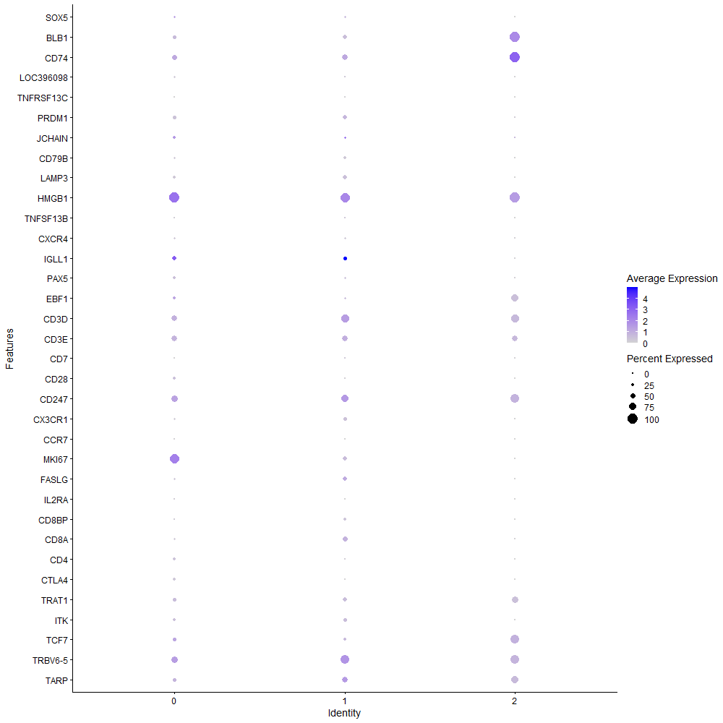
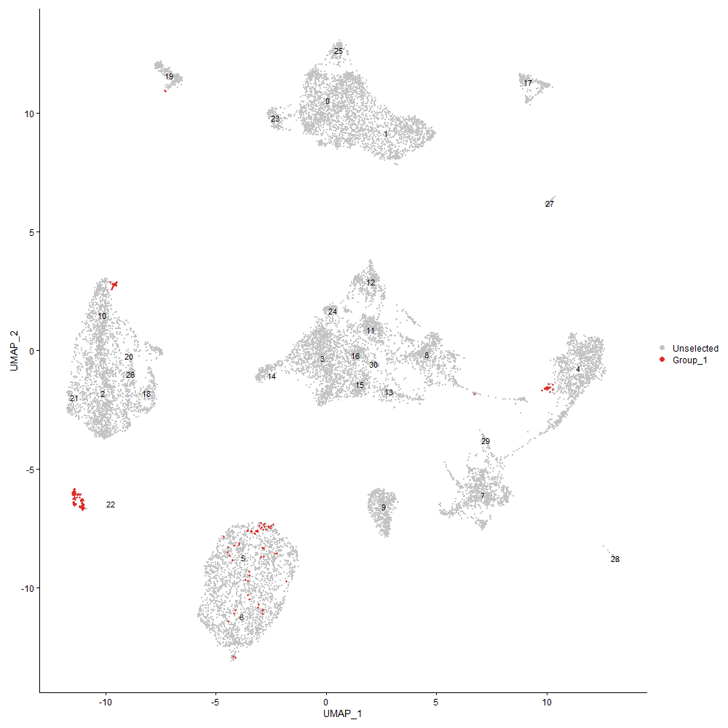
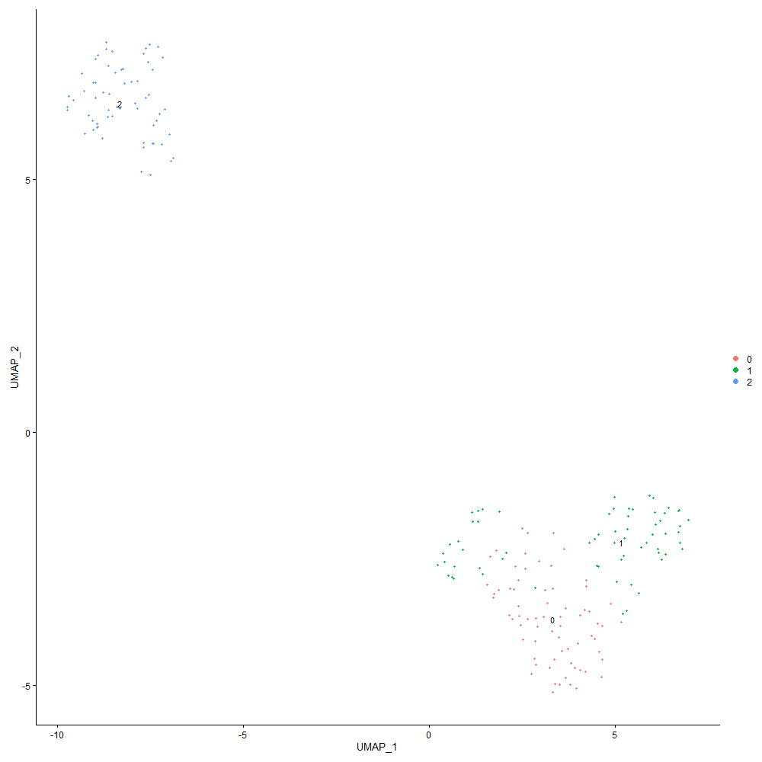
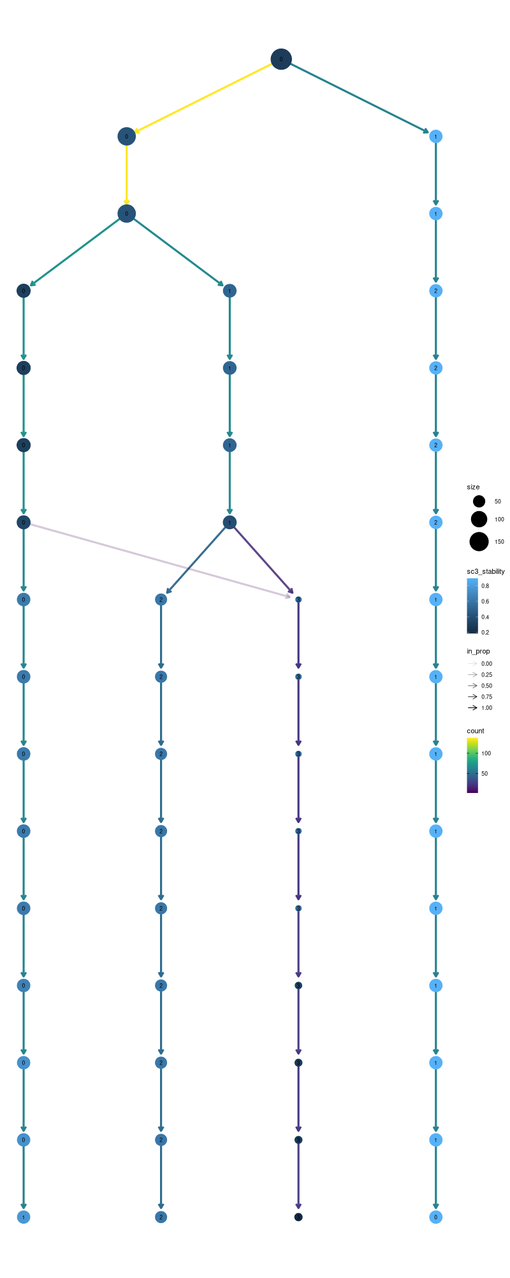

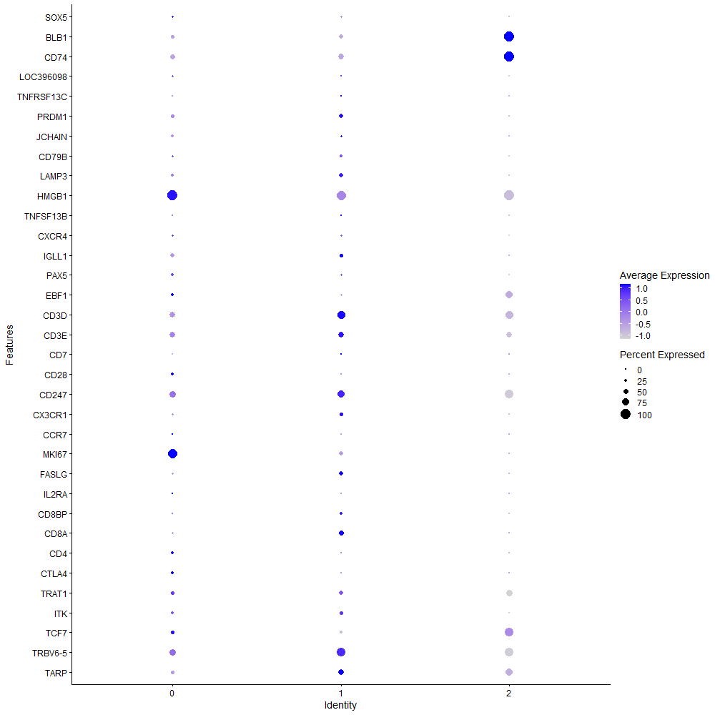
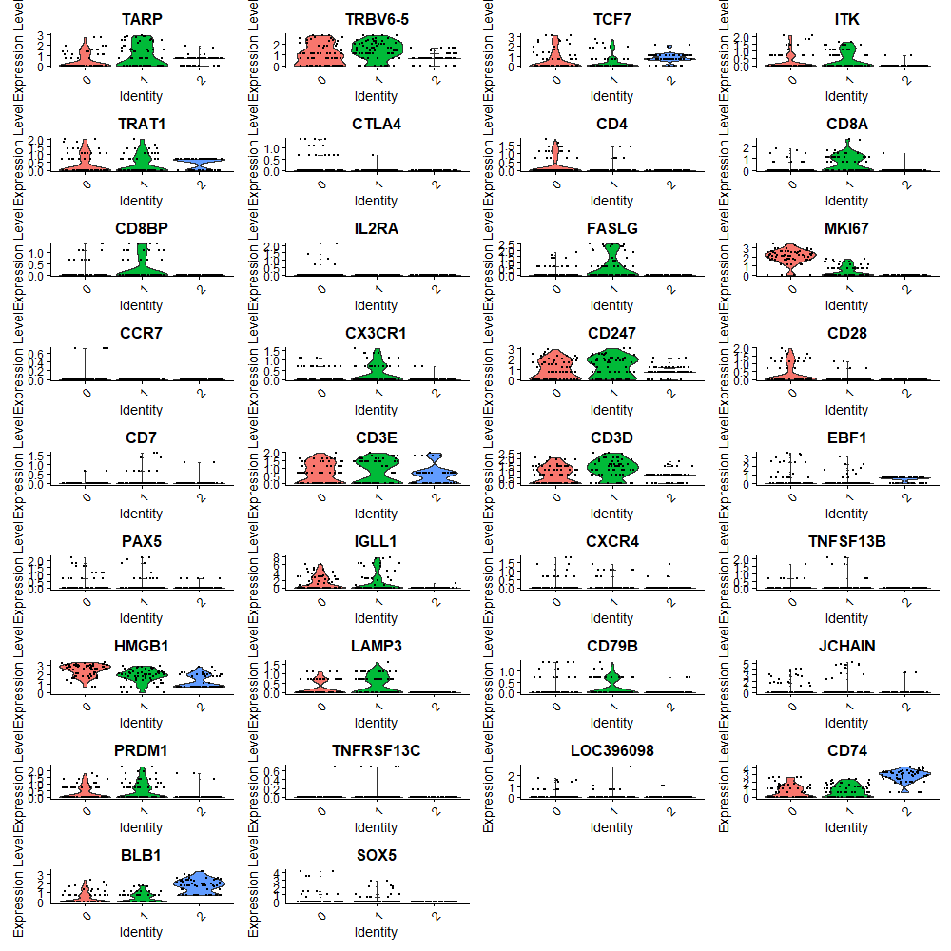

Cluster0
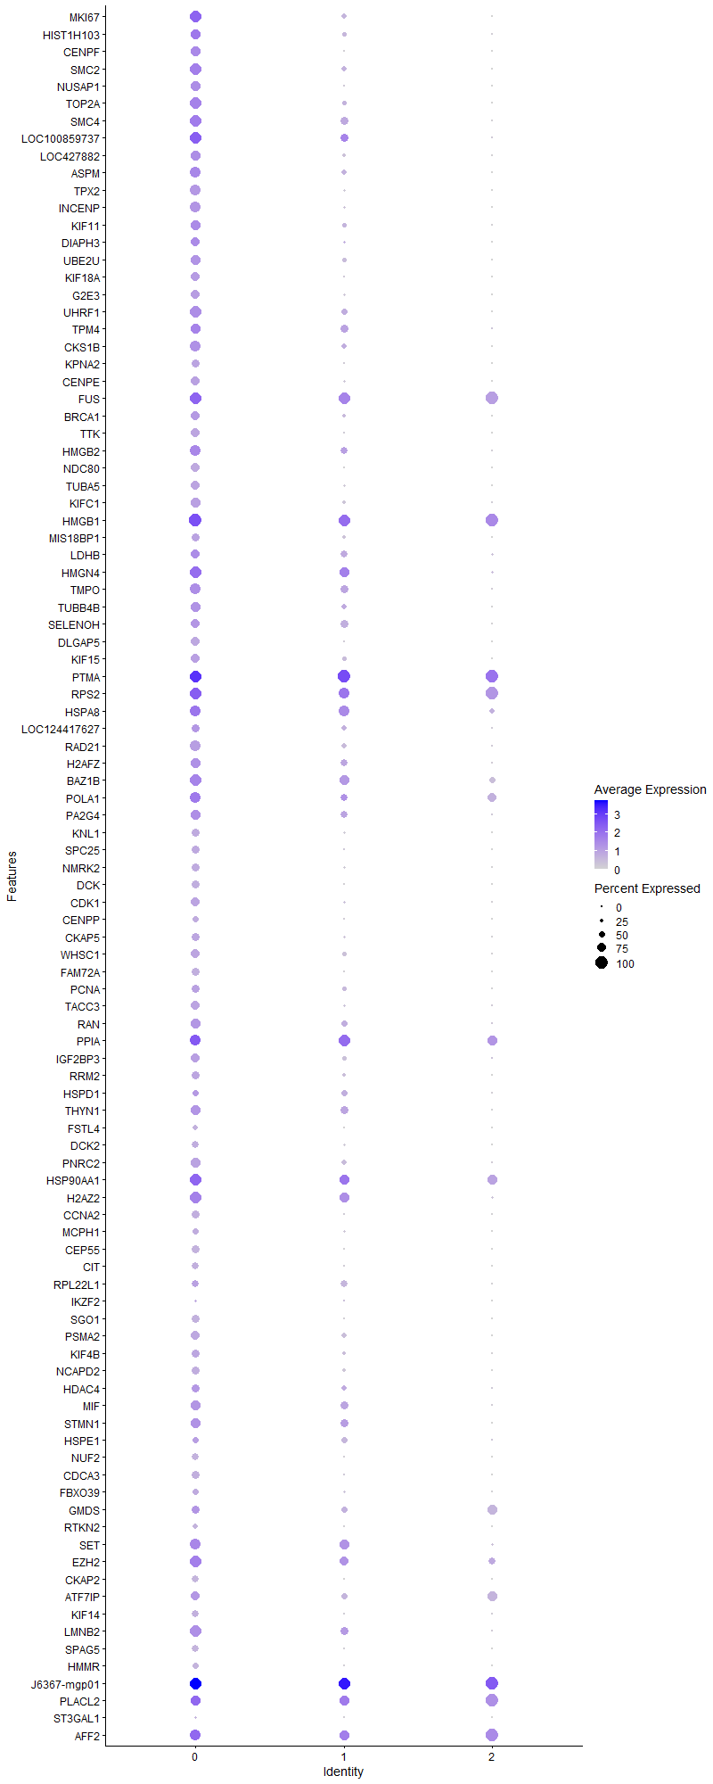
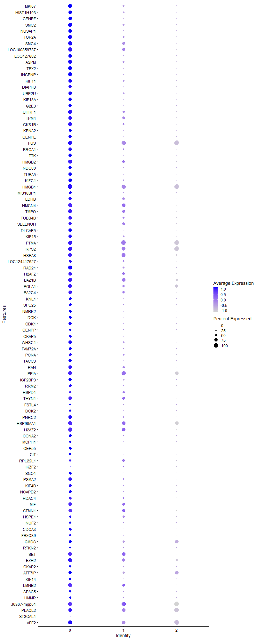
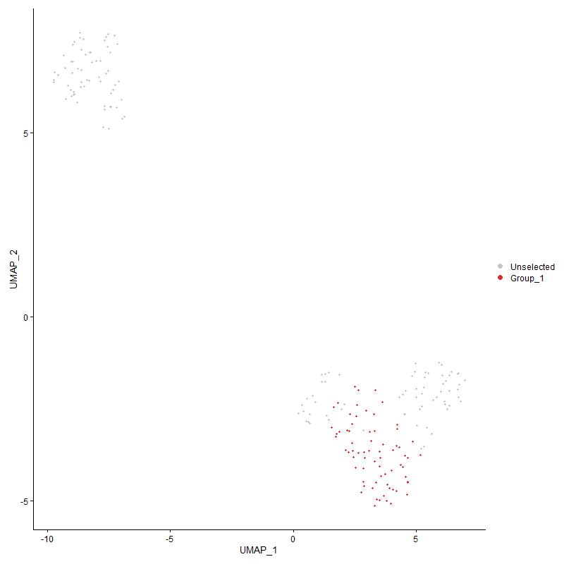
 | p_val | avg_log2FC | pct.1 | pct.2 | p_val_adj | cluster | gene
MKI67 | 2.1637256355E-29 | 2.7048719645 | 0.929 | 0.206 | 3.3042254179E-25 | 0 | MKI67
HIST1H103 | 8.7081587826E-19 | 2.1030385216 | 0.786 | 0.206 | 1.3298229277E-14 | 0 | HIST1H103
CENPF | 2.758150445E-29 | 2.0890050061 | 0.814 | 0.032 | 4.2119715446E-25 | 0 | CENPF
SMC2 | 7.0553118276E-28 | 1.8748921336 | 0.971 | 0.23 | 1.0774166692E-23 | 0 | SMC2
NUSAP1 | 2.1922192574E-25 | 1.8171908598 | 0.771 | 0.056 | 3.347738028E-21 | 0 | NUSAP1
TOP2A | 5.8467263562E-27 | 1.7961101649 | 0.957 | 0.175 | 8.9285358185E-23 | 0 | TOP2A
SMC4 | 2.2682946551E-20 | 1.7508557481 | 0.929 | 0.365 | 3.4639127679E-16 | 0 | SMC4
LOC100859737 | 3.7405826847E-16 | 1.687956494 | 0.929 | 0.389 | 5.7122438179E-12 | 0 | LOC100859737
LOC427882 | 3.1716791774E-21 | 1.6683374702 | 0.8 | 0.159 | 4.8434712717E-17 | 0 | LOC427882
ASPM | 8.9015504211E-20 | 1.6531340034 | 0.843 | 0.222 | 1.3593557648E-15 | 0 | ASPM
TPX2 | 4.5175914904E-30 | 1.5476493423 | 0.9 | 0.079 | 6.898813965E-26 | 0 | TPX2
INCENP | 6.070848093E-28 | 1.5439907197 | 0.9 | 0.103 | 9.2707921229E-24 | 0 | INCENP
KIF11 | 2.7062805689E-19 | 1.5387540713 | 0.829 | 0.214 | 4.1327610567E-15 | 0 | KIF11
DIAPH3 | 1.2268691649E-18 | 1.4624031852 | 0.743 | 0.103 | 1.8735519017E-14 | 0 | DIAPH3
UBE2U | 2.8945242219E-20 | 1.4417832577 | 0.8 | 0.159 | 4.4202279393E-16 | 0 | UBE2U
KIF18A | 1.9836420757E-21 | 1.4124953047 | 0.714 | 0.063 | 3.0292198137E-17 | 0 | KIF18A
G2E3 | 7.4842155441E-20 | 1.3685275347 | 0.714 | 0.087 | 1.1429145557E-15 | 0 | G2E3
UHRF1 | 1.2857063128E-20 | 1.3457986062 | 0.957 | 0.238 | 1.9634021103E-16 | 0 | UHRF1
TPM4 | 3.5535355964E-10 | 1.2965869655 | 0.786 | 0.381 | 5.4266042093E-06 | 0 | TPM4
CKS1B | 6.6438472888E-17 | 1.2557664054 | 0.843 | 0.222 | 1.0145819195E-12 | 0 | CKS1B
KPNA2 | 2.7211688011E-19 | 1.2498107107 | 0.643 | 0.048 | 4.1554968762E-15 | 0 | KPNA2
CENPE | 8.4600632317E-21 | 1.2455166446 | 0.757 | 0.095 | 1.2919362561E-16 | 0 | CENPE
FUS | 5.0996764211E-12 | 1.2357084205 | 0.943 | 0.96 | 7.7877158627E-08 | 0 | FUS
BRCA1 | 1.6729549316E-17 | 1.2330218368 | 0.729 | 0.119 | 2.5547694761E-13 | 0 | BRCA1
TTK | 2.1159513058E-22 | 1.2093964422 | 0.714 | 0.048 | 3.2312692391E-18 | 0 | TTK
HMGB2 | 7.2714269959E-15 | 1.19592021 | 0.857 | 0.302 | 1.1104196165E-10 | 0 | HMGB2
NDC80 | 6.0655638653E-28 | 1.1789137847 | 0.757 | 0.016 | 9.2627225787E-24 | 0 | NDC80
TUBA5 | 4.4959849331E-19 | 1.173983218 | 0.7 | 0.095 | 6.8658185913E-15 | 0 | TUBA5
KIFC1 | 1.1890879976E-18 | 1.1643295385 | 0.786 | 0.159 | 1.8158562811E-14 | 0 | KIFC1
HMGB1 | 3.1812500948E-13 | 1.1552553126 | 1 | 0.976 | 4.8580870197E-09 | 0 | HMGB1
MIS18BP1 | 2.7004742574E-16 | 1.1505596766 | 0.686 | 0.127 | 4.1238942385E-12 | 0 | MIS18BP1
LDHB | 8.7498867216E-07 | 1.1425391136 | 0.7 | 0.381 | 0.013361952012 | 0 | LDHB
HMGN4 | 2.6609916221E-13 | 1.1342358099 | 0.957 | 0.516 | 4.0636003061E-09 | 0 | HMGN4
TMPO | 1.5849750169E-15 | 1.1284690047 | 0.914 | 0.373 | 2.4204153483E-11 | 0 | TMPO
TUBB4B | 6.5832482084E-18 | 1.1224360757 | 0.814 | 0.214 | 1.0053278339E-13 | 0 | TUBB4B
SELENOH | 4.3349048499E-12 | 1.1159301118 | 0.743 | 0.333 | 6.6198331963E-08 | 0 | SELENOH
DLGAP5 | 1.9272475046E-23 | 1.1145118811 | 0.743 | 0.04 | 2.9430996643E-19 | 0 | DLGAP5
KIF15 | 5.8986869802E-15 | 1.1065990661 | 0.714 | 0.175 | 9.0078848875E-11 | 0 | KIF15
PTMA | 1.4481879921E-13 | 1.1002931263 | 0.971 | 1 | 2.2115278828E-09 | 0 | PTMA
RPS2 | 6.9450094718E-05 | 1.0551978205 | 0.943 | 0.944 | 1 | 0 | RPS2
HSPA8 | 4.4149801482E-07 | 1.0473057148 | 0.914 | 0.659 | 0.0067421161843 | 0 | HSPA8
LOC124417627 | 5.1462632321E-10 | 1.0459362842 | 0.686 | 0.238 | 7.8588585817E-06 | 0 | LOC124417627
RAD21 | 2.1727566564E-17 | 1.0457272737 | 0.857 | 0.254 | 3.31801669E-13 | 0 | RAD21
H2AFZ | 1.9740359804E-13 | 1.0452983469 | 0.829 | 0.317 | 3.0145503457E-09 | 0 | H2AFZ
BAZ1B | 3.5890535799E-15 | 1.0448297815 | 0.957 | 0.667 | 5.4808437218E-11 | 0 | BAZ1B
POLA1 | 3.6465498332E-07 | 1.0436033849 | 0.843 | 0.651 | 0.0055686462503 | 0 | POLA1
PA2G4 | 7.7259355493E-12 | 1.0317088597 | 0.814 | 0.333 | 1.1798276177E-07 | 0 | PA2G4
KNL1 | 2.9634302545E-18 | 1.0248746686 | 0.657 | 0.079 | 4.5254543417E-14 | 0 | KNL1
SPC25 | 9.3776225222E-19 | 1.017921908 | 0.686 | 0.071 | 1.4320567354E-14 | 0 | SPC25
NMRK2 | 4.1450536268E-18 | 1.0133346385 | 0.686 | 0.111 | 6.3299113935E-14 | 0 | NMRK2
DCK | 5.4095121794E-20 | 1.0130561528 | 0.643 | 0.048 | 8.2608660492E-16 | 0 | DCK
CDK1 | 6.1890573414E-16 | 1.0089331248 | 0.7 | 0.119 | 9.4513094661E-12 | 0 | CDK1
CENPP | 7.2170772558E-15 | 1.0084615787 | 0.5 | 0.032 | 1.1021198677E-10 | 0 | CENPP
CKAP5 | 5.0339233798E-13 | 1.0074751206 | 0.614 | 0.127 | 7.6873043933E-09 | 0 | CKAP5
WHSC1 | 9.1366311786E-15 | 1.003647777 | 0.714 | 0.214 | 1.3952549473E-10 | 0 | WHSC1
FAM72A | 3.4882526783E-22 | 0.99448299503 | 0.657 | 0.024 | 5.326910665E-18 | 0 | FAM72A
PCNA | 5.6186021089E-12 | 0.99158776018 | 0.686 | 0.206 | 8.5801672805E-08 | 0 | PCNA
TACC3 | 3.0503792805E-16 | 0.99112184865 | 0.743 | 0.143 | 4.6582341992E-12 | 0 | TACC3
RAN | 2.3506421704E-11 | 0.98304686672 | 0.8 | 0.325 | 3.5896656584E-07 | 0 | RAN
PPIA | 7.0414911125E-05 | 0.9819026852 | 0.914 | 0.881 | 1 | 0 | PPIA
IGF2BP3 | 8.3917054983E-14 | 0.97020283893 | 0.757 | 0.238 | 1.2814973467E-09 | 0 | IGF2BP3
RRM2 | 6.0466525868E-15 | 0.96901230752 | 0.686 | 0.127 | 9.2338431652E-11 | 0 | RRM2
HSPD1 | 0.00020154677828 | 0.9645724834 | 0.5 | 0.278 | 1 | 0 | HSPD1
THYN1 | 1.1742176634E-11 | 0.9585552817 | 0.814 | 0.365 | 1.7931477938E-07 | 0 | THYN1
FSTL4 | 2.4577098023E-12 | 0.94602898952 | 0.386 | 0.016 | 3.7531686391E-08 | 0 | FSTL4
DCK2 | 6.9469448746E-14 | 0.93726424465 | 0.571 | 0.087 | 1.0608679518E-09 | 0 | DCK2
PNRC2 | 1.542129202E-15 | 0.93643487122 | 0.814 | 0.246 | 2.3549855043E-11 | 0 | PNRC2
HSP90AA1 | 7.2816840855E-05 | 0.93330421918 | 0.943 | 0.81 | 1 | 0 | HSP90AA1
H2AZ2 | 2.7501779999E-11 | 0.92952679205 | 0.929 | 0.5 | 4.1997968237E-07 | 0 | H2AZ2
CCNA2 | 1.9042156442E-18 | 0.92872817867 | 0.671 | 0.079 | 2.9079277103E-14 | 0 | CCNA2
MCPH1 | 1.2354122038E-10 | 0.9265303091 | 0.471 | 0.079 | 1.8865979764E-06 | 0 | MCPH1
CEP55 | 6.5273746517E-22 | 0.92423249238 | 0.643 | 0.024 | 9.9679538307E-18 | 0 | CEP55
CIT | 5.5725823264E-17 | 0.92040540208 | 0.557 | 0.032 | 8.5098904706E-13 | 0 | CIT
RPL22L1 | 3.4242361464E-05 | 0.91838623445 | 0.571 | 0.31 | 0.52291510192 | 0 | RPL22L1
IKZF2 | 0.0035493385219 | 0.91053837262 | 0.2 | 0.063 | 1 | 0 | IKZF2
SGO1 | 1.9881832445E-21 | 0.90123892783 | 0.671 | 0.04 | 3.0361546326E-17 | 0 | SGO1
PSMA2 | 3.7209936019E-14 | 0.90110824301 | 0.757 | 0.198 | 5.6823293295E-10 | 0 | PSMA2
KIF4B | 2.6396150544E-11 | 0.8995272072 | 0.629 | 0.159 | 4.0309561495E-07 | 0 | KIF4B
NCAPD2 | 1.5481341711E-15 | 0.887256337 | 0.671 | 0.135 | 2.3641556926E-11 | 0 | NCAPD2
HDAC4 | 3.0335741073E-07 | 0.8801295275 | 0.643 | 0.254 | 0.0046325710192 | 0 | HDAC4
MIF | 6.289298391E-09 | 0.87849899495 | 0.771 | 0.349 | 9.6043875728E-05 | 0 | MIF
STMN1 | 1.9760916825E-10 | 0.87062788105 | 0.8 | 0.333 | 3.0176896083E-06 | 0 | STMN1
HSPE1 | 0.00059323997954 | 0.87013588382 | 0.486 | 0.302 | 1 | 0 | HSPE1
NUF2 | 3.1556168361E-16 | 0.8695300681 | 0.557 | 0.048 | 4.8189424705E-12 | 0 | NUF2
CDCA3 | 1.3865246821E-18 | 0.86831689093 | 0.657 | 0.056 | 2.117361842E-14 | 0 | CDCA3
FBXO39 | 3.9794152224E-10 | 0.86673346914 | 0.5 | 0.103 | 6.0769649862E-06 | 0 | FBXO39
GMDS | 0.0025505684815 | 0.85996954822 | 0.643 | 0.635 | 1 | 0 | GMDS
RTKN2 | 4.6785391228E-11 | 0.85896802438 | 0.4 | 0.04 | 7.1445970944E-07 | 0 | RTKN2
SET | 3.8676514262E-09 | 0.85698568978 | 0.871 | 0.492 | 5.906290493E-05 | 0 | SET
EZH2 | 7.9080572046E-09 | 0.85563023146 | 0.943 | 0.659 | 0.00012076394157 | 0 | EZH2
CKAP2 | 5.3575192837E-19 | 0.84799690655 | 0.557 | 0.016 | 8.1814676981E-15 | 0 | CKAP2
ATF7IP | 4.7549087274E-05 | 0.84799690655 | 0.7 | 0.659 | 0.72612211175 | 0 | ATF7IP
KIF14 | 1.3009615444E-15 | 0.83780113945 | 0.571 | 0.048 | 1.9866983745E-11 | 0 | KIF14
LMNB2 | 5.7528601526E-12 | 0.82693529103 | 0.971 | 0.365 | 8.7851927391E-08 | 0 | LMNB2
SPAG5 | 2.0260830152E-15 | 0.82613747259 | 0.543 | 0.048 | 3.0940313726E-11 | 0 | SPAG5
HMMR | 8.0744689079E-15 | 0.82613747259 | 0.514 | 0.04 | 1.2330521469E-10 | 0 | HMMR
J6367-mgp01 | 1.1244718703E-07 | 0.82316156395 | 0.986 | 0.992 | 0.0017171809931 | 0 | J6367-mgp01
PLACL2 | 0.006100529745 | 0.81254807055 | 0.814 | 0.897 | 1 | 0 | PLACL2
ST3GAL1 | 3.1865021014E-05 | 0.80427552913 | 0.214 | 0.032 | 0.4866107359 | 0 | ST3GAL1
AFF2 | 0.00075317716488 | 0.8028719016 | 0.886 | 0.889 | 1 | 0 | AFF2
RBL1 | 8.4290430259E-13 | 0.79941672611 | 0.629 | 0.127 | 1.2871991605E-08 | 0 | RBL1
EIF5A2 | 3.1657315472E-06 | 0.79375386177 | 0.743 | 0.429 | 0.048343886458 | 0 | EIF5A2
NUCKS1 | 2.9522733058E-10 | 0.78940225264 | 0.943 | 0.857 | 4.5084165653E-06 | 0 | NUCKS1
CENPC | 1.5312968673E-14 | 0.78702888926 | 0.643 | 0.111 | 2.338443446E-10 | 0 | CENPC
RTTN | 1.5772173537E-10 | 0.7857126283 | 0.514 | 0.111 | 2.4085686209E-06 | 0 | RTTN
CCAR1 | 6.4570887545E-12 | 0.78422099612 | 0.786 | 0.31 | 9.8606202371E-08 | 0 | CCAR1
YBX1 | 1.4176774377E-06 | 0.78349655245 | 0.943 | 0.968 | 0.021649352152 | 0 | YBX1
FBXO5 | 8.9037695512E-14 | 0.78139915783 | 0.486 | 0.04 | 1.3596946482E-09 | 0 | FBXO5
NCAPG | 7.4751205066E-17 | 0.78035818968 | 0.557 | 0.04 | 1.1415256526E-12 | 0 | NCAPG
LOC101751218 | 2.4330946459E-16 | 0.78035818968 | 0.543 | 0.04 | 3.7155788338E-12 | 0 | LOC101751218
SNRPF | 1.1036507065E-08 | 0.77483049399 | 0.643 | 0.27 | 0.00016853849939 | 0 | SNRPF
DDRGK1 | 0.00069020285667 | 0.77483049399 | 0.443 | 0.214 | 1 | 0 | DDRGK1
IPO7 | 5.3338204508E-11 | 0.77399632511 | 0.9 | 0.357 | 8.1452772105E-07 | 0 | IPO7
SNRPE | 1.6247090762E-08 | 0.77357206543 | 0.643 | 0.262 | 0.00024810932303 | 0 | SNRPE
TK1 | 1.6583491337E-16 | 0.77051815388 | 0.757 | 0.143 | 2.532464962E-12 | 0 | TK1
RPL6 | 0.00033298633783 | 0.77007702077 | 0.971 | 0.929 | 1 | 0 | RPL6
JADE3 | 8.4136406294E-07 | 0.76904556516 | 0.514 | 0.19 | 0.012848470605 | 0 | JADE3
J6367-mgp13 | 3.9294453193E-07 | 0.76632554277 | 0.986 | 1 | 0.006000655947 | 0 | J6367-mgp13
TMSB4X | 0.0013328382794 | 0.76565318451 | 0.971 | 1 | 1 | 0 | TMSB4X
MICAL3 | 1.9573121039E-08 | 0.76553474636 | 0.457 | 0.111 | 0.00029890113139 | 0 | MICAL3
C1QBP | 1.1984622776E-06 | 0.7605340653 | 0.686 | 0.325 | 0.018301717441 | 0 | C1QBP
ARHGAP11B | 4.7171313234E-12 | 0.75636643109 | 0.414 | 0.032 | 7.203531244E-08 | 0 | ARHGAP11B
RACGAP1 | 3.3024652932E-18 | 0.75336003242 | 0.5 | 0 | 5.0431947493E-14 | 0 | RACGAP1
KNSTRN | 1.2660149061E-14 | 0.7506997052 | 0.557 | 0.063 | 1.9333313631E-10 | 0 | KNSTRN
NUDT16L1 | 8.3177026715E-08 | 0.74465715686 | 0.743 | 0.333 | 0.001270196375 | 0 | NUDT16L1
J6367-mgp12 | 1.7063750358E-06 | 0.74240654686 | 0.957 | 1 | 0.026058053172 | 0 | J6367-mgp12
J6367-mgp09 | 2.7143085989E-10 | 0.74168800441 | 0.743 | 0.278 | 4.1450206613E-06 | 0 | J6367-mgp09
UHRF2 | 1.2652799068E-09 | 0.73811928878 | 0.586 | 0.19 | 1.9322089457E-05 | 0 | UHRF2
FDPS | 1.0211391636E-06 | 0.73478629611 | 0.629 | 0.294 | 0.015593816168 | 0 | FDPS
RANGAP1 | 5.7173392405E-13 | 0.73461510714 | 0.771 | 0.238 | 8.7309487542E-09 | 0 | RANGAP1
BIRC5 | 3.0617284407E-12 | 0.734177007 | 0.557 | 0.087 | 4.6755655018E-08 | 0 | BIRC5
SNRPD1 | 6.2354376877E-10 | 0.734128942 | 0.829 | 0.357 | 9.5221368928E-06 | 0 | SNRPD1
DEK | 1.4835018177E-07 | 0.73366423108 | 0.871 | 0.548 | 0.0022654556258 | 0 | DEK
HMGN5 | 8.8584701451E-10 | 0.73251968914 | 0.814 | 0.373 | 1.3527769759E-05 | 0 | HMGN5
CCDC171 | 3.9378490699E-07 | 0.73174383806 | 0.443 | 0.119 | 0.0060134893147 | 0 | CCDC171
MRPL12 | 1.1561345325E-07 | 0.72894423491 | 0.7 | 0.349 | 0.0017655330445 | 0 | MRPL12
ANLN | 2.1122098624E-15 | 0.72869797818 | 0.429 | 0 | 3.2255556808E-11 | 0 | ANLN
CCT8 | 3.5854705843E-10 | 0.72426153813 | 0.557 | 0.151 | 5.4753721292E-06 | 0 | CCT8
PCLAF | 1.1627881018E-09 | 0.72154857131 | 0.514 | 0.135 | 1.7756937102E-05 | 0 | PCLAF
ICOS | 1.8034509282E-05 | 0.71721029902 | 0.343 | 0.103 | 0.27540499124 | 0 | ICOS
MACROD2 | 0.0092888548584 | 0.7109151618 | 0.614 | 0.69 | 1 | 0 | MACROD2
PLK4 | 8.1691512826E-15 | 0.70739857638 | 0.586 | 0.071 | 1.2475110924E-10 | 0 | PLK4
H2AFJ | 2.9156140775E-12 | 0.70739857638 | 0.514 | 0.071 | 4.4524342577E-08 | 0 | H2AFJ
ARID1B | 0.00011720569302 | 0.70041055187 | 0.857 | 0.968 | 1 | 0 | ARID1B
CD28 | 1.281875972E-06 | 0.69960506666 | 0.271 | 0.04 | 0.019575527968 | 0 | CD28
CCNB1 | 1.7565973144E-13 | 0.6984205505 | 0.486 | 0.048 | 2.6824997588E-09 | 0 | CCNB1
NCAPD3 | 5.0762674414E-15 | 0.69824978705 | 0.571 | 0.063 | 7.7519680097E-11 | 0 | NCAPD3
SPTAN1 | 8.3358708524E-08 | 0.69226109423 | 0.729 | 0.381 | 0.0012729708379 | 0 | SPTAN1
J6367-mgp03 | 3.8386648347E-07 | 0.69200571094 | 0.957 | 1 | 0.0058620250691 | 0 | J6367-mgp03
CENPN | 3.7099279371E-16 | 0.68879831171 | 0.514 | 0.024 | 5.6654309527E-12 | 0 | CENPN
TCP1 | 7.5036808896E-07 | 0.68805599369 | 0.529 | 0.23 | 0.011458871086 | 0 | TCP1
RFC5 | 2.6559551479E-08 | 0.68653348386 | 0.629 | 0.238 | 0.00040559091063 | 0 | RFC5
SUMO3 | 5.4539130407E-09 | 0.68537670574 | 0.714 | 0.302 | 8.3286706045E-05 | 0 | SUMO3
MAPK4 | 2.9407740981E-05 | 0.68449817427 | 0.729 | 0.5 | 0.44908561252 | 0 | MAPK4
SRSF3 | 1.8355430127E-10 | 0.68231887621 | 0.9 | 0.413 | 2.8030577347E-06 | 0 | SRSF3
GPSM2 | 2.8222512328E-14 | 0.68225970208 | 0.457 | 0.024 | 4.3098598576E-10 | 0 | GPSM2
DNAJC9 | 3.2031003082E-12 | 0.68198695512 | 0.529 | 0.087 | 4.8914544807E-08 | 0 | DNAJC9
RPS8 | 0.0011219497816 | 0.67724157701 | 0.971 | 0.976 | 1 | 0 | RPS8
PGK2 | 2.084562718E-08 | 0.67501210536 | 0.629 | 0.23 | 0.00031833357266 | 0 | PGK2
KNTC1 | 8.9986643894E-11 | 0.67422983882 | 0.514 | 0.103 | 1.3741860389E-06 | 0 | KNTC1
ENO1 | 0.00041535960176 | 0.66880362808 | 0.857 | 0.913 | 1 | 0 | ENO1
NCAPG2 | 1.683028524E-15 | 0.66817586897 | 0.471 | 0.016 | 2.570152859E-11 | 0 | NCAPG2
HIST1H2BO | 4.752298789E-10 | 0.66599907281 | 0.429 | 0.063 | 7.2572354806E-06 | 0 | HIST1H2BO
CDK14 | 0.008101239784 | 0.66370561594 | 0.829 | 0.841 | 1 | 0 | CDK14
FAM168A | 2.3316811221E-08 | 0.65973026912 | 0.643 | 0.23 | 0.00035607102416 | 0 | FAM168A
ANP32B | 3.992082032E-06 | 0.65825171912 | 0.786 | 0.437 | 0.060963084711 | 0 | ANP32B
TRIM24 | 2.5309058626E-09 | 0.65817234767 | 0.457 | 0.087 | 3.8649463427E-05 | 0 | TRIM24
POLD4 | 1.2895735265E-06 | 0.65615354858 | 0.8 | 0.413 | 0.019693077323 | 0 | POLD4
TIMM13 | 4.5297099712E-08 | 0.65411717296 | 0.6 | 0.23 | 0.00069173200971 | 0 | TIMM13
PBK | 6.8707309932E-13 | 0.65227243568 | 0.471 | 0.04 | 1.04922933E-08 | 0 | PBK
SNRPGP15 | 6.8281896979E-06 | 0.65173151293 | 0.686 | 0.373 | 0.10427328488 | 0 | SNRPGP15
UBE2L3 | 8.1367664262E-08 | 0.65119619912 | 0.5 | 0.159 | 0.0012425656009 | 0 | UBE2L3
CCT4 | 6.6244552344E-08 | 0.65055084235 | 0.629 | 0.246 | 0.0010116205588 | 0 | CCT4
JADE1 | 4.1336638707E-09 | 0.64791907111 | 0.443 | 0.087 | 6.3125180969E-05 | 0 | JADE1
SFPQ | 3.0313789016E-09 | 0.64756981672 | 0.857 | 0.381 | 4.6292187206E-05 | 0 | SFPQ
MRPS21 | 3.0103190309E-08 | 0.64673869831 | 0.729 | 0.333 | 0.00045970581921 | 0 | MRPS21
CDCA2 | 1.4640732998E-13 | 0.64580805594 | 0.457 | 0.032 | 2.2357863361E-09 | 0 | CDCA2
TMA7 | 9.3383627653E-07 | 0.64560750987 | 0.643 | 0.294 | 0.014260613779 | 0 | TMA7
ANP32A | 4.0114622665E-08 | 0.64446351247 | 0.729 | 0.302 | 0.00061259040271 | 0 | ANP32A
ATP5G3 | 0.00053779677199 | 0.64374191237 | 0.686 | 0.437 | 1 | 0 | ATP5G3
CCT7 | 7.7613920539E-07 | 0.64154602909 | 0.643 | 0.31 | 0.011852421805 | 0 | CCT7
BUB1B | 1.7960729865E-09 | 0.64083899891 | 0.5 | 0.103 | 2.7427830577E-05 | 0 | BUB1B
HELLS | 3.448082096E-09 | 0.64083899891 | 0.614 | 0.206 | 5.2655661688E-05 | 0 | HELLS
IFI27L2 | 1.1692273431E-06 | 0.64019202144 | 0.471 | 0.159 | 0.017855270756 | 0 | IFI27L2
CDK2 | 2.2028624011E-10 | 0.63854354093 | 0.571 | 0.151 | 3.3639911727E-06 | 0 | CDK2
EIF5B | 2.491086979E-06 | 0.63854354093 | 0.729 | 0.373 | 0.038041389257 | 0 | EIF5B
PSIP1 | 7.1440673453E-10 | 0.6383587577 | 0.857 | 0.373 | 1.0909705243E-05 | 0 | PSIP1
MRPL51 | 9.4472189998E-14 | 0.63807383718 | 0.8 | 0.262 | 1.4426848135E-09 | 0 | MRPL51
TCTN3 | 8.1995426557E-08 | 0.6338721012 | 0.6 | 0.238 | 0.0012521521589 | 0 | TCTN3
LIMD2 | 1.6923191976E-10 | 0.6322682155 | 0.543 | 0.127 | 2.5843406466E-06 | 0 | LIMD2
HJURP | 4.7904690871E-13 | 0.63167899963 | 0.6 | 0.095 | 7.3155253428E-09 | 0 | HJURP
J6367-mgp04 | 9.2722447748E-06 | 0.63167184651 | 0.957 | 1 | 0.14159644996 | 0 | J6367-mgp04
NDUFA13 | 5.886323914E-10 | 0.63100986824 | 0.9 | 0.405 | 8.9890052491E-06 | 0 | NDUFA13
LBR | 1.1515680135E-09 | 0.63089878489 | 0.971 | 0.849 | 1.7585595134E-05 | 0 | LBR
MTHFD1L | 9.5675805739E-09 | 0.62981673651 | 0.571 | 0.183 | 0.00014610652294 | 0 | MTHFD1L
SSB | 1.5486853751E-08 | 0.62965131828 | 0.714 | 0.31 | 0.00023649974364 | 0 | SSB
CALM2 | 8.4619054984E-08 | 0.62930607812 | 0.929 | 0.849 | 0.0012922175887 | 0 | CALM2
CDK5RAP2 | 0.00084363984536 | 0.62910192945 | 0.614 | 0.46 | 1 | 0 | CDK5RAP2
CCT5 | 1.0589484102E-05 | 0.62887961725 | 0.7 | 0.373 | 0.16171201173 | 0 | CCT5
CEP192 | 3.6210338414E-11 | 0.62560448522 | 0.5 | 0.079 | 5.5296807793E-07 | 0 | CEP192
CDC20 | 6.0545558637E-09 | 0.62560448522 | 0.357 | 0.048 | 9.2459122594E-05 | 0 | CDC20
PAK3 | 2.7484477383E-08 | 0.61738397841 | 0.643 | 0.23 | 0.00041971545411 | 0 | PAK3
P2RX5 | 5.5609587709E-12 | 0.61479773026 | 0.457 | 0.048 | 8.492140139E-08 | 0 | P2RX5
UBA52 | 0.0011130484983 | 0.61240718284 | 0.914 | 0.929 | 1 | 0 | UBA52
CBX3 | 6.1778864548E-07 | 0.61210864273 | 0.614 | 0.278 | 0.0094342504052 | 0 | CBX3
NCL | 0.00034702375715 | 0.61200175347 | 0.929 | 0.889 | 1 | 0 | NCL
RANBP1 | 3.7587011174E-07 | 0.61066821491 | 0.629 | 0.302 | 0.0057399124764 | 0 | RANBP1
SLIRP | 2.599796254E-06 | 0.60938597466 | 0.543 | 0.238 | 0.039701488594 | 0 | SLIRP
EIF5A | 8.3679974092E-05 | 0.60773380838 | 0.529 | 0.31 | 1 | 0 | EIF5A
PARP1 | 5.3212428665E-08 | 0.60472575554 | 0.614 | 0.214 | 0.00081260699815 | 0 | PARP1
RBBP4 | 3.3005900297E-08 | 0.60443987522 | 0.786 | 0.389 | 0.00050403310344 | 0 | RBBP4
HIST1H110 | 1.6690321736E-09 | 0.60407132367 | 0.4 | 0.056 | 2.5487790323E-05 | 0 | HIST1H110
PRC1 | 2.1774918085E-14 | 0.60288440872 | 0.443 | 0.016 | 3.3252477408E-10 | 0 | PRC1
KIF23 | 2.349997983E-13 | 0.60288440872 | 0.4 | 0.008 | 3.5886819198E-09 | 0 | KIF23
IFT20 | 5.9576652674E-09 | 0.60006939311 | 0.529 | 0.143 | 9.0979506298E-05 | 0 | IFT20
PTTG2 | 8.0079283912E-08 | 0.60006939311 | 0.343 | 0.056 | 0.0012228907446 | 0 | PTTG2
PTGES3 | 5.504759887E-07 | 0.60006939311 | 0.657 | 0.286 | 0.0084063188234 | 0 | PTGES3
J6367-mgp02 | 5.5804657282E-05 | 0.59980148814 | 0.986 | 1 | 0.85219292135 | 0 | J6367-mgp02
FGGY | 9.260051336E-07 | 0.59942055341 | 0.357 | 0.079 | 0.014141024395 | 0 | FGGY
GTSE1 | 9.2469796261E-11 | 0.59863743762 | 0.3 | 0 | 1.4121062587E-06 | 0 | GTSE1
SLX4IP | 2.8449874843E-09 | 0.59801865355 | 0.371 | 0.048 | 4.3445803873E-05 | 0 | SLX4IP
LOC107049545 | 0.00039486100663 | 0.59755254131 | 0.686 | 0.452 | 1 | 0 | LOC107049545
HYPK | 1.0225942922E-05 | 0.59327776893 | 0.543 | 0.294 | 0.15616037436 | 0 | HYPK
CDV3 | 2.504954825E-05 | 0.58870490241 | 0.757 | 0.429 | 0.38253165133 | 0 | CDV3
SUMO2 | 1.7359049297E-07 | 0.58776113407 | 0.743 | 0.333 | 0.0026509004182 | 0 | SUMO2
PKLR | 0.0018685847729 | 0.58765660989 | 0.743 | 0.54 | 1 | 0 | PKLR
MIS18A | 1.7151284827E-12 | 0.58723267435 | 0.371 | 0.008 | 2.619172706E-08 | 0 | MIS18A
ECT2 | 1.4175642805E-09 | 0.58496250072 | 0.386 | 0.04 | 2.1647624127E-05 | 0 | ECT2
SEMA4D | 1.4005849959E-08 | 0.58294333308 | 0.4 | 0.063 | 0.00021388333472 | 0 | SEMA4D
NPM1 | 0.00082258311121 | 0.57921157973 | 0.914 | 0.921 | 1 | 0 | NPM1
NOP58 | 1.1325800936E-07 | 0.57918014813 | 0.7 | 0.302 | 0.0017295630609 | 0 | NOP58
ATP5L | 3.4978636219E-05 | 0.57790774319 | 0.829 | 0.484 | 0.5341587537 | 0 | ATP5L
RPL14 | 0.002016512331 | 0.57765552377 | 0.957 | 0.952 | 1 | 0 | RPL14
CHCHD2 | 0.0003315739807 | 0.57758297036 | 0.843 | 0.69 | 1 | 0 | CHCHD2
HMGB3 | 3.3915229685E-11 | 0.57193582042 | 0.7 | 0.222 | 5.1791947252E-07 | 0 | HMGB3
PLK1 | 2.8559041613E-12 | 0.5711567012 | 0.343 | 0 | 4.3612512447E-08 | 0 | PLK1
CCT2 | 3.4775438755E-05 | 0.57046293103 | 0.471 | 0.214 | 0.53105572523 | 0 | CCT2
BUB1 | 9.5681532477E-11 | 0.56946140718 | 0.386 | 0.032 | 1.4611526825E-06 | 0 | BUB1
DUT | 3.380387642E-07 | 0.56913753356 | 0.571 | 0.222 | 0.0051621899681 | 0 | DUT
AHI1 | 1.6969778649E-09 | 0.56861450663 | 0.4 | 0.048 | 2.5914548975E-05 | 0 | AHI1
PCGF5 | 3.5490336088E-06 | 0.56842282457 | 0.629 | 0.341 | 0.054197292239 | 0 | PCGF5
PSMA7 | 3.708483436E-06 | 0.56842282457 | 0.614 | 0.278 | 0.056632250551 | 0 | PSMA7
DBI | 0.00037173427944 | 0.56744473946 | 0.657 | 0.421 | 1 | 0 | DBI
DAZAP1 | 1.2269830166E-07 | 0.56612938836 | 0.943 | 0.738 | 0.0018737257647 | 0 | DAZAP1
RFC2 | 1.7710802701E-08 | 0.56506294328 | 0.5 | 0.143 | 0.00027046166805 | 0 | RFC2
PSMB5 | 2.1175552891E-06 | 0.56482485515 | 0.871 | 0.54 | 0.03233718682 | 0 | PSMB5
PRIM2 | 4.3648686793E-06 | 0.56354351709 | 0.629 | 0.27 | 0.066655909602 | 0 | PRIM2
UQCR10 | 2.4171523158E-05 | 0.5616927214 | 0.586 | 0.302 | 0.36912333015 | 0 | UQCR10
NDUFB1 | 4.9361823607E-06 | 0.56030044649 | 0.557 | 0.254 | 0.075380440831 | 0 | NDUFB1
DDX19 | 0.00032776179596 | 0.55777767139 | 0.629 | 0.437 | 1 | 0 | DDX19
ALYREF | 1.2499696935E-05 | 0.55581615506 | 0.571 | 0.294 | 0.1908828719 | 0 | ALYREF
ADH4 | 2.1071850921E-09 | 0.5539356051 | 0.471 | 0.095 | 3.2178823542E-05 | 0 | ADH4
PPIL1 | 1.4074810995E-08 | 0.5510151688 | 0.614 | 0.214 | 0.00021493643871 | 0 | PPIL1
LOC100859629 | 8.2070204212E-10 | 0.55050302998 | 0.643 | 0.183 | 1.2532940885E-05 | 0 | LOC100859629
INTS5 | 7.5611996143E-05 | 0.5484366247 | 0.629 | 0.333 | 1 | 0 | INTS5
ALDOC | 1.3810427878E-05 | 0.54724283477 | 0.571 | 0.27 | 0.21089904412 | 0 | ALDOC
SLC45A3 | 1.1218402931E-07 | 0.54520067185 | 0.7 | 0.317 | 0.0017131623116 | 0 | SLC45A3
LRRC31 | 2.9330642279E-09 | 0.5450697736 | 0.343 | 0.032 | 4.4790823824E-05 | 0 | LRRC31
HDGFRP3 | 4.1435153931E-05 | 0.54460476311 | 0.557 | 0.278 | 0.63275623567 | 0 | HDGFRP3
CENPA | 1.0718772209E-08 | 0.54421615838 | 0.586 | 0.167 | 0.00016368637041 | 0 | CENPA
NUDC | 1.0839109282E-07 | 0.54258389845 | 0.5 | 0.151 | 0.0016552403785 | 0 | NUDC
NHP2 | 1.17409147E-07 | 0.54206084444 | 0.557 | 0.19 | 0.0017929550839 | 0 | NHP2
CD4 | 1.4423019846E-05 | 0.54189377883 | 0.257 | 0.048 | 0.22025393607 | 0 | CD4
NOP56 | 9.6621656797E-06 | 0.53950718599 | 0.629 | 0.31 | 0.14755093209 | 0 | NOP56
ATAD5 | 4.5776771605E-09 | 0.53765678594 | 0.514 | 0.119 | 6.9905707917E-05 | 0 | ATAD5
CLASP1 | 4.6966252638E-06 | 0.53511395127 | 0.443 | 0.151 | 0.071722164404 | 0 | CLASP1
PRELID1 | 0.0010858418109 | 0.53433642765 | 0.471 | 0.254 | 1 | 0 | PRELID1
ZC3H15 | 9.8772010669E-08 | 0.53424274311 | 0.814 | 0.365 | 0.0015083473749 | 0 | ZC3H15
PTMS | 7.377629065E-05 | 0.53395959729 | 0.9 | 0.794 | 1 | 0 | PTMS
RFC1 | 5.3432230365E-09 | 0.53295519725 | 0.8 | 0.31 | 8.159635899E-05 | 0 | RFC1
PSME4 | 0.0033513484282 | 0.53279467486 | 0.643 | 0.556 | 1 | 0 | PSME4
SMC3 | 7.8013322219E-09 | 0.53126148089 | 0.829 | 0.325 | 0.00011913414436 | 0 | SMC3
SLC25A3 | 0.00016610808044 | 0.52910926599 | 0.714 | 0.413 | 1 | 0 | SLC25A3
DSN1 | 2.8842291256E-11 | 0.52881942268 | 0.414 | 0.04 | 4.4045062977E-07 | 0 | DSN1
MTFR2 | 5.9225175225E-09 | 0.52871839008 | 0.371 | 0.048 | 9.0442765086E-05 | 0 | MTFR2
HP1BP3 | 1.3330831375E-07 | 0.52830728386 | 0.586 | 0.206 | 0.0020357512593 | 0 | HP1BP3
ATP5G1 | 0.0029466734456 | 0.52795592121 | 0.5 | 0.317 | 1 | 0 | ATP5G1
YWHAB | 5.1985146841E-07 | 0.52606881167 | 0.814 | 0.349 | 0.007938651774 | 0 | YWHAB
ATP5G2 | 3.3154454623E-06 | 0.52606881167 | 0.7 | 0.349 | 0.050630167655 | 0 | ATP5G2
EIF2S2 | 0.0022267541721 | 0.52410729533 | 0.486 | 0.294 | 1 | 0 | EIF2S2
GPR183 | 0.0028919173965 | 0.52386790347 | 0.371 | 0.19 | 1 | 0 | GPR183
PCMT1 | 4.2762114425E-09 | 0.5233747025 | 0.386 | 0.056 | 6.5302024938E-05 | 0 | PCMT1
HNRNPAB | 2.1933757934E-06 | 0.52092550839 | 0.843 | 0.46 | 0.033495041741 | 0 | HNRNPAB
CENPH | 1.4119588514E-11 | 0.52063492562 | 0.457 | 0.056 | 2.156202362E-07 | 0 | CENPH
TCOF1 | 9.9985213559E-07 | 0.5186892813 | 0.457 | 0.151 | 0.015268741963 | 0 | TCOF1
MED29 | 5.9011856486E-07 | 0.51849559196 | 0.729 | 0.325 | 0.009011700604 | 0 | MED29
EIF3J | 4.331843348E-06 | 0.51849559196 | 0.614 | 0.286 | 0.066151579767 | 0 | EIF3J
GRSF1 | 6.555686476E-09 | 0.51842874947 | 0.486 | 0.119 | 0.00010011188817 | 0 | GRSF1
LOC112530378 | 0.00072197499333 | 0.51842874947 | 0.214 | 0.056 | 1 | 0 | LOC112530378
SH3KBP1 | 0.00028733970753 | 0.51765657185 | 0.943 | 0.96 | 1 | 0 | SH3KBP1
CHAF1A | 3.5442712309E-08 | 0.51580047621 | 0.457 | 0.111 | 0.00054124565967 | 0 | CHAF1A
KIAA0753 | 9.0879966024E-10 | 0.51501362316 | 0.343 | 0.024 | 1.3878279612E-05 | 0 | KIAA0753
CNTLN | 2.44701099E-08 | 0.51457317283 | 0.229 | 0 | 0.00037368304829 | 0 | CNTLN
NDUFB4 | 3.0391884793E-06 | 0.51140076188 | 0.543 | 0.206 | 0.046411447267 | 0 | NDUFB4
NUDT1 | 2.7315346273E-08 | 0.51096191928 | 0.443 | 0.095 | 0.00041713265294 | 0 | NUDT1
SHCBP1 | 1.2149261497E-12 | 0.50982817066 | 0.429 | 0.024 | 1.8553137232E-08 | 0 | SHCBP1
POLQ | 6.6072298793E-06 | 0.5091949931 | 0.2 | 0.016 | 0.10089900749 | 0 | POLQ
DENND1A | 0.008587322582 | 0.50890826051 | 0.7 | 0.683 | 1 | 0 | DENND1A
SPDL1 | 1.928356856E-07 | 0.50830453219 | 0.414 | 0.095 | 0.0029447937547 | 0 | SPDL1
SMARCA5 | 6.261557784E-06 | 0.50802235625 | 0.6 | 0.27 | 0.09562024892 | 0 | SMARCA5
ATAD2 | 2.5700414812E-07 | 0.50695998872 | 0.5 | 0.151 | 0.0039247103459 | 0 | ATAD2
PSMA6 | 5.31252091E-06 | 0.50695998872 | 0.571 | 0.23 | 0.081127506816 | 0 | PSMA6
MRPL54 | 1.3565022055E-06 | 0.50630555685 | 0.457 | 0.151 | 0.020715145181 | 0 | MRPL54
J6367-mgp08 | 3.1028612828E-05 | 0.50508666264 | 0.986 | 1 | 0.4738379465 | 0 | J6367-mgp08
SLU7 | 2.2527202647E-09 | 0.50485232576 | 0.429 | 0.071 | 3.4401291162E-05 | 0 | SLU7
C14orf2 | 0.00026768339106 | 0.50469516088 | 0.5 | 0.262 | 1 | 0 | C14orf2
TOMM20 | 1.26797899E-05 | 0.50286142051 | 0.629 | 0.317 | 0.19363307156 | 0 | TOMM20
ETS1 | 0.0028874369993 | 0.50271832439 | 0.843 | 0.905 | 1 | 0 | ETS1
GNPTAB | 2.2071561386E-06 | 0.50239990577 | 0.529 | 0.19 | 0.033705481392 | 0 | GNPTAB
NEK2 | 2.7945591251E-12 | 0.50007360313 | 0.343 | 0 | 4.2675712399E-08 | 0 | NEK2
CARD11 | 2.1693032974E-06 | 0.4993324292 | 0.586 | 0.238 | 0.033127430654 | 0 | CARD11
CEP128 | 0.00042265583919 | 0.49919310568 | 0.314 | 0.119 | 1 | 0 | CEP128
SRSF7L | 6.0350940986E-06 | 0.49771561562 | 0.557 | 0.238 | 0.092161921979 | 0 | SRSF7L
DNA2 | 1.8218371638E-11 | 0.49724015861 | 0.486 | 0.063 | 2.7821275329E-07 | 0 | DNA2
RPL36A | 0.0047182156406 | 0.49692246601 | 0.971 | 0.96 | 1 | 0 | RPL36A
LARP1 | 7.4993089452E-06 | 0.49628534264 | 0.714 | 0.349 | 0.1145219469 | 0 | LARP1
OCIAD2 | 1.350185404E-08 | 0.49615323376 | 0.386 | 0.063 | 0.00020618681305 | 0 | OCIAD2
HIST1H111L | 2.6360999603E-08 | 0.49615323376 | 0.371 | 0.063 | 0.00040255882494 | 0 | HIST1H111L
ATP5J2 | 0.00039821393925 | 0.49554394465 | 0.629 | 0.381 | 1 | 0 | ATP5J2
PRPF38B | 6.8364804628E-06 | 0.49542349422 | 0.757 | 0.381 | 0.10439989315 | 0 | PRPF38B
HAUS3 | 4.1756260817E-06 | 0.49435995194 | 0.343 | 0.087 | 0.063765985893 | 0 | HAUS3
FUBP1 | 1.108825193E-05 | 0.49402455846 | 0.786 | 0.452 | 0.16932869522 | 0 | FUBP1
CENPW | 3.1967923905E-08 | 0.49315418919 | 0.357 | 0.056 | 0.00048818216596 | 0 | CENPW
RUFY3 | 2.4312847031E-06 | 0.49290194773 | 0.543 | 0.214 | 0.037128148701 | 0 | RUFY3
SUPT4H1 | 1.873924454E-08 | 0.49223521659 | 0.557 | 0.175 | 0.00028616700337 | 0 | SUPT4H1
CEP112 | 9.6429763273E-07 | 0.49106236184 | 0.414 | 0.111 | 0.014725789149 | 0 | CEP112
RPSAP58 | 0.0086935086652 | 0.49095766129 | 0.986 | 0.984 | 1 | 0 | RPSAP58
MINOS1 | 1.0561581575E-05 | 0.48994938586 | 0.571 | 0.27 | 0.16128591223 | 0 | MINOS1
DLG1 | 0.00012408536162 | 0.48980526768 | 0.314 | 0.103 | 1 | 0 | DLG1
J6367-mgp10 | 4.625762617E-05 | 0.48959430087 | 0.986 | 1 | 0.70640020924 | 0 | J6367-mgp10
DPF3 | 0.00055349916093 | 0.48905396935 | 0.6 | 0.325 | 1 | 0 | DPF3
J6367-mgp11 | 7.428665546E-06 | 0.48903741478 | 0.986 | 1 | 0.11344315155 | 0 | J6367-mgp11
BRCA2 | 2.7871456596E-09 | 0.48826677896 | 0.529 | 0.127 | 4.2562501368E-05 | 0 | BRCA2
CDC45 | 6.6583624418E-09 | 0.48826677896 | 0.471 | 0.095 | 0.00010167985285 | 0 | CDC45
OGDH | 8.097856316E-07 | 0.48826677896 | 0.457 | 0.151 | 0.01236623638 | 0 | OGDH
LOC121108888 | 0.00011853999119 | 0.48790781667 | 0.757 | 0.437 | 1 | 0 | LOC121108888
NLK | 4.8531600033E-07 | 0.48673066372 | 0.557 | 0.214 | 0.0074112606411 | 0 | NLK
SKA2P1 | 3.3347444177E-07 | 0.48542682717 | 0.429 | 0.111 | 0.0050924882003 | 0 | SKA2P1
SMARCE1 | 3.2134697247E-07 | 0.48300008978 | 0.629 | 0.238 | 0.0049072896166 | 0 | SMARCE1
LOC100857358 | 2.0953058533E-05 | 0.4828643131 | 0.471 | 0.198 | 0.31997415686 | 0 | LOC100857358
C4H4ORF32 | 9.4961928498E-05 | 0.48271244247 | 0.371 | 0.143 | 1 | 0 | C4H4ORF32
NPM3 | 1.1267892441E-05 | 0.48234743424 | 0.286 | 0.063 | 0.17207198546 | 0 | NPM3
LOC107049862 | 9.1446579047E-09 | 0.48167469231 | 0.586 | 0.167 | 0.00013964807086 | 0 | LOC107049862
IMPDH2 | 7.5616270952E-05 | 0.48026512205 | 0.457 | 0.206 | 1 | 0 | IMPDH2
PPID | 2.3825820905E-08 | 0.47995688681 | 0.514 | 0.143 | 0.00036384411105 | 0 | PPID
NCAPH2 | 1.2426813207E-10 | 0.47960950057 | 0.514 | 0.095 | 1.8976986448E-06 | 0 | NCAPH2
BORA | 3.7563422739E-08 | 0.47921499824 | 0.329 | 0.04 | 0.00057363102865 | 0 | BORA
GPRIN3 | 5.7693737939E-06 | 0.47781364306 | 0.643 | 0.325 | 0.088104107206 | 0 | GPRIN3
PPIG | 3.164295728E-05 | 0.47681369687 | 0.657 | 0.357 | 0.48321960062 | 0 | PPIG
ARHGAP15 | 0.00048966261863 | 0.47486257865 | 0.957 | 0.992 | 1 | 0 | ARHGAP15
GRAMD1B | 8.6174401442E-08 | 0.47477958297 | 0.386 | 0.079 | 0.0013159692844 | 0 | GRAMD1B
NDE1 | 7.6116391295E-06 | 0.47418207 | 0.557 | 0.23 | 0.11623734115 | 0 | NDE1
ERGIC1 | 0.00011935584294 | 0.47360139177 | 0.729 | 0.421 | 1 | 0 | ERGIC1
HNRNPA1 | 0.00082700078192 | 0.47206844432 | 0.757 | 0.484 | 1 | 0 | HNRNPA1
SF3B3 | 8.1014889212E-07 | 0.47184842067 | 0.657 | 0.286 | 0.012371783732 | 0 | SF3B3
FEN1 | 2.8614112499E-07 | 0.47052282023 | 0.386 | 0.087 | 0.0043696611197 | 0 | FEN1
PIN4 | 0.00010069614437 | 0.47035937908 | 0.443 | 0.198 | 1 | 0 | PIN4
AHCTF1 | 1.4557488253E-06 | 0.4694852833 | 0.386 | 0.103 | 0.022230740311 | 0 | AHCTF1
RABL6 | 2.9009252958E-06 | 0.46865111442 | 0.543 | 0.206 | 0.044300030193 | 0 | RABL6
PPP4R1L | 3.1029232176E-05 | 0.46840824328 | 0.271 | 0.063 | 0.47384740456 | 0 | PPP4R1L
CEP135 | 2.1714559403E-07 | 0.46739290434 | 0.371 | 0.071 | 0.0033160303664 | 0 | CEP135
OXR1 | 1.1926039444E-05 | 0.46669026459 | 0.443 | 0.159 | 0.18212254835 | 0 | OXR1
PNN | 1.6234670869E-07 | 0.464668267 | 0.814 | 0.349 | 0.0024791965884 | 0 | PNN
HNRNPA3 | 4.4148958371E-06 | 0.46405317638 | 1 | 0.937 | 0.067419874329 | 0 | HNRNPA3
HN1 | 1.26502552E-07 | 0.46282993686 | 0.829 | 0.349 | 0.0019318204716 | 0 | HN1
MRPL49 | 3.2793541645E-09 | 0.46270675067 | 0.3 | 0.016 | 5.0079017446E-05 | 0 | MRPL49
ACTR6 | 4.8441887501E-07 | 0.46164216198 | 0.571 | 0.206 | 0.0073975606403 | 0 | ACTR6
ATP5B | 0.0049924037799 | 0.46128813033 | 0.743 | 0.532 | 1 | 0 | ATP5B
RNF144A | 8.9668235172E-08 | 0.46097378345 | 0.343 | 0.048 | 0.0013693236193 | 0 | RNF144A
PHIP | 7.2955575263E-06 | 0.46061575018 | 0.857 | 0.778 | 0.11141045898 | 0 | PHIP
NASP | 4.7319044346E-05 | 0.46048047004 | 0.671 | 0.349 | 0.72260912621 | 0 | NASP
ATP11A | 0.0023563742762 | 0.46026675327 | 0.257 | 0.087 | 1 | 0 | ATP11A
CTCF | 1.1042659119E-05 | 0.45972631684 | 0.586 | 0.246 | 0.1686324474 | 0 | CTCF
ASNS | 1.1331000676E-06 | 0.45959453378 | 0.557 | 0.214 | 0.017303571132 | 0 | ASNS
CTLA4 | 1.4728862054E-07 | 0.45922506197 | 0.229 | 0.008 | 0.0022492445243 | 0 | CTLA4
TYMS | 3.423047389E-06 | 0.45872250334 | 0.429 | 0.135 | 0.052273356678 | 0 | TYMS
HOPX | 0.0025129880871 | 0.45843009479 | 0.7 | 0.421 | 1 | 0 | HOPX
SOD1 | 3.6352885576E-06 | 0.4583447257 | 0.557 | 0.222 | 0.055514491563 | 0 | SOD1
MDH1 | 1.0763769578E-05 | 0.457412451 | 0.486 | 0.198 | 0.16437352523 | 0 | MDH1
PPA1 | 4.9961249505E-05 | 0.457412451 | 0.471 | 0.198 | 0.76295824119 | 0 | PPA1
ATP1A1 | 3.18556348E-06 | 0.45720695352 | 0.6 | 0.27 | 0.048646739903 | 0 | ATP1A1
MAD1L1 | 0.00011523969691 | 0.45648794277 | 0.729 | 0.532 | 1 | 0 | MAD1L1
NDUFA4 | 0.00087069773793 | 0.45611712826 | 0.543 | 0.31 | 1 | 0 | NDUFA4
TOMM7 | 0.00096904016809 | 0.45485201312 | 0.614 | 0.349 | 1 | 0 | TOMM7
SS18 | 3.3537864567E-06 | 0.45397718855 | 0.514 | 0.206 | 0.05121567298 | 0 | SS18
ACBD4 | 2.4566727855E-09 | 0.45371796744 | 0.457 | 0.087 | 3.7515850107E-05 | 0 | ACBD4
RPL22 | 0.0017583284214 | 0.45352072976 | 0.929 | 0.952 | 1 | 0 | RPL22
MRPL35 | 7.4386204194E-09 | 0.45313728921 | 0.486 | 0.111 | 0.00011359517243 | 0 | MRPL35
FAM98B | 3.1354104249E-07 | 0.45313728921 | 0.429 | 0.111 | 0.0047880852598 | 0 | FAM98B
LIN54 | 1.5071039731E-06 | 0.45258821403 | 0.414 | 0.119 | 0.023014984773 | 0 | LIN54
STIP1 | 7.0709508844E-07 | 0.44944753006 | 0.429 | 0.119 | 0.010798049096 | 0 | STIP1
GNL3 | 7.3772584519E-06 | 0.44900734851 | 0.443 | 0.159 | 0.11265811382 | 0 | GNL3
PDS5A | 1.1685969462E-06 | 0.44838944785 | 0.643 | 0.262 | 0.017845643965 | 0 | PDS5A
ATPIF1 | 0.00017171407027 | 0.4482492783 | 0.6 | 0.341 | 1 | 0 | ATPIF1
COX8A | 0.0018142570845 | 0.44745897697 | 0.686 | 0.452 | 1 | 0 | COX8A
C11orf58 | 6.2910240602E-06 | 0.4471732665 | 0.686 | 0.325 | 0.096070228423 | 0 | C11orf58
IWS1 | 1.6306530988E-05 | 0.44679168046 | 0.586 | 0.262 | 0.24901703471 | 0 | IWS1
SASS6 | 4.8593318439E-08 | 0.44589846298 | 0.486 | 0.119 | 0.00074206856588 | 0 | SASS6
SKA3 | 3.0253869503E-09 | 0.4439305251 | 0.357 | 0.04 | 4.6200684119E-05 | 0 | SKA3
DENND2B | 8.5929574669E-05 | 0.4439305251 | 0.214 | 0.04 | 1 | 0 | DENND2B
NCAPH | 2.1464127126E-08 | 0.44360665148 | 0.371 | 0.056 | 0.00032777868534 | 0 | NCAPH
SLAMF1 | 2.6337161979E-08 | 0.4433013515 | 0.4 | 0.071 | 0.00040219480058 | 0 | SLAMF1
VPS13C | 4.0368086048E-06 | 0.44301307194 | 0.343 | 0.079 | 0.061646104204 | 0 | VPS13C
EIF1B | 1.0768660963E-05 | 0.44200454688 | 0.514 | 0.222 | 0.16444822157 | 0 | EIF1B
USP16 | 1.2694629678E-05 | 0.44178325766 | 0.5 | 0.19 | 0.19385968982 | 0 | USP16
TCF25 | 1.7970300961E-06 | 0.43991216792 | 0.371 | 0.095 | 0.027442446598 | 0 | TCF25
TSPAN17 | 4.8087196466E-05 | 0.43981307832 | 0.786 | 0.397 | 0.73433957724 | 0 | TSPAN17
RRM1 | 9.3545786983E-09 | 0.43971677345 | 0.471 | 0.103 | 0.0001428537713 | 0 | RRM1
FMC1 | 1.1193323113E-05 | 0.4395320612 | 0.429 | 0.159 | 0.17093323726 | 0 | FMC1
PTPRG | 0.0035053539473 | 0.43636600872 | 0.143 | 0.032 | 1 | 0 | PTPRG
THSD7B | 0.0051868089113 | 0.43636600872 | 0.186 | 0.056 | 1 | 0 | THSD7B
UBE2K | 3.7580285294E-06 | 0.43627214132 | 0.414 | 0.127 | 0.057388853672 | 0 | UBE2K
ANP32E | 6.4286116951E-07 | 0.43502187373 | 0.8 | 0.373 | 0.0098171329196 | 0 | ANP32E
FKBP4 | 2.0589606851E-05 | 0.43295940728 | 0.529 | 0.222 | 0.31442388623 | 0 | FKBP4
SQLE | 1.763564661E-05 | 0.43295940728 | 0.514 | 0.214 | 0.26931395938 | 0 | SQLE
LMNB1 | 2.5923685713E-08 | 0.43295940728 | 0.4 | 0.063 | 0.00039588060453 | 0 | LMNB1
RPAP3 | 3.3995875187E-06 | 0.43295940728 | 0.371 | 0.103 | 0.051915100998 | 0 | RPAP3
SNX9 | 0.00090588933294 | 0.42993171458 | 0.343 | 0.143 | 1 | 0 | SNX9
DNAJA1 | 1.9444509523E-06 | 0.42985349641 | 0.529 | 0.206 | 0.029693710492 | 0 | DNAJA1
GRID1 | 0.0040861661892 | 0.42977112965 | 0.129 | 0.024 | 1 | 0 | GRID1
CEP290 | 9.4246113731E-06 | 0.42959255618 | 0.386 | 0.119 | 0.14392324028 | 0 | CEP290
USP5 | 2.0784619003E-07 | 0.42949555197 | 0.4 | 0.087 | 0.003174019168 | 0 | USP5
ABI2 | 5.1247290634E-07 | 0.42949555197 | 0.386 | 0.087 | 0.0078259737527 | 0 | ABI2
NUBPL | 6.0431076814E-06 | 0.42949555197 | 0.329 | 0.079 | 0.092284297403 | 0 | NUBPL
TKTL1 | 6.3349359864E-06 | 0.42854073601 | 0.714 | 0.357 | 0.096740807449 | 0 | TKTL1
ADNP | 0.0059706605694 | 0.42819016313 | 0.6 | 0.444 | 1 | 0 | ADNP
OST4 | 3.9508807195E-05 | 0.4262647547 | 0.843 | 0.476 | 0.60333899468 | 0 | OST4
PIGBOS1 | 2.2901642109E-05 | 0.42546487073 | 0.614 | 0.325 | 0.34973097665 | 0 | PIGBOS1
DEPDC1B | 2.6986160441E-09 | 0.42530583473 | 0.257 | 0 | 4.121056561E-05 | 0 | DEPDC1B
USP1 | 2.3999959862E-06 | 0.42530583473 | 0.671 | 0.286 | 0.036650338705 | 0 | USP1
SLC25A24 | 5.5014260068E-06 | 0.42478547583 | 0.586 | 0.254 | 0.08401227655 | 0 | SLC25A24
FKBP3 | 1.6614819387E-05 | 0.42418919765 | 0.543 | 0.238 | 0.25372490686 | 0 | FKBP3
MCM2 | 0.00020449847066 | 0.42397062405 | 0.443 | 0.19 | 1 | 0 | MCM2
FAM13B | 9.8087281875E-05 | 0.42349907803 | 0.414 | 0.159 | 1 | 0 | FAM13B
CDCA7L | 4.5722801272E-06 | 0.42324425244 | 0.414 | 0.119 | 0.069823289822 | 0 | CDCA7L
HAUS6 | 1.2021946716E-07 | 0.4229753187 | 0.457 | 0.119 | 0.0018358714829 | 0 | HAUS6
YWHAE | 4.8474413535E-06 | 0.42254279133 | 0.886 | 0.508 | 0.074025276909 | 0 | YWHAE
PSMA5 | 6.5245696944E-05 | 0.42024835553 | 0.414 | 0.159 | 0.99636703804 | 0 | PSMA5
COPS4 | 4.8518274912E-09 | 0.41915360775 | 0.429 | 0.071 | 7.4092257618E-05 | 0 | COPS4
CTPS1 | 3.2209416476E-06 | 0.41915360775 | 0.386 | 0.111 | 0.049186999901 | 0 | CTPS1
RIF1 | 2.7945017657E-05 | 0.41882907844 | 0.514 | 0.206 | 0.42674836464 | 0 | RIF1
VMA21 | 5.0396445819E-07 | 0.41874554806 | 0.314 | 0.048 | 0.007696041241 | 0 | VMA21
LOC776275 | 0.00011901801666 | 0.41874554806 | 0.2 | 0.032 | 1 | 0 | LOC776275
FOXM1 | 1.0806154444E-09 | 0.41785251489 | 0.314 | 0.016 | 1.6502078451E-05 | 0 | FOXM1
LIN9 | 2.8859583843E-08 | 0.41785251489 | 0.271 | 0.016 | 0.00044071470487 | 0 | LIN9
ZC3H7A | 8.8112393535E-05 | 0.41775700063 | 0.429 | 0.175 | 1 | 0 | ZC3H7A
HNRNPA2B1 | 0.00015934623661 | 0.41720533596 | 0.914 | 0.889 | 1 | 0 | HNRNPA2B1
TIAL1 | 6.6924355552E-07 | 0.41701786341 | 0.629 | 0.254 | 0.010220018336 | 0 | TIAL1
TOMM6 | 6.7886903371E-06 | 0.41676217975 | 0.729 | 0.349 | 0.10367009014 | 0 | TOMM6
FANCC | 1.2331219738E-06 | 0.4165088865 | 0.4 | 0.103 | 0.018831005662 | 0 | FANCC
IKZF1 | 0.0063836647738 | 0.41644432049 | 0.829 | 0.897 | 1 | 0 | IKZF1
EEF1G | 0.00032900973506 | 0.41628066613 | 0.943 | 0.944 | 1 | 0 | EEF1G
SNRPD3 | 0.00017216425541 | 0.41547198055 | 0.5 | 0.254 | 1 | 0 | SNRPD3
YME1L1 | 0.0051136904236 | 0.41503749928 | 0.386 | 0.214 | 1 | 0 | YME1L1
TFDP3 | 1.1500205348E-06 | 0.41458087796 | 0.486 | 0.151 | 0.017561963587 | 0 | TFDP3
RAD54B | 2.5854183868E-08 | 0.4144867472 | 0.3 | 0.024 | 0.00039481924186 | 0 | RAD54B
LAMTOR2 | 4.6704593625E-07 | 0.41434372911 | 0.814 | 0.357 | 0.0071322584924 | 0 | LAMTOR2
DNAJC2 | 1.5401929271E-05 | 0.41434372911 | 0.686 | 0.349 | 0.2352028619 | 0 | DNAJC2
SRSF2 | 4.1556072225E-05 | 0.41410038002 | 0.757 | 0.397 | 0.63460277895 | 0 | SRSF2
UQCRFS1 | 0.00023323075538 | 0.41410038002 | 0.429 | 0.206 | 1 | 0 | UQCRFS1
KIF2C | 1.9205450068E-10 | 0.41390107146 | 0.314 | 0.008 | 2.9328642798E-06 | 0 | KIF2C
CENPI | 1.6791722445E-08 | 0.41390107146 | 0.257 | 0.008 | 0.00025642639345 | 0 | CENPI
ZMYND8 | 0.00047725862977 | 0.41381435801 | 0.514 | 0.278 | 1 | 0 | ZMYND8
TEDC1 | 6.8974665298E-05 | 0.41189779175 | 0.314 | 0.095 | 1 | 0 | TEDC1
NDUFB2 | 8.1451649517E-05 | 0.41046476949 | 0.743 | 0.429 | 1 | 0 | NDUFB2
MECP2 | 4.9190042017E-06 | 0.41041683863 | 0.5 | 0.19 | 0.075118113164 | 0 | MECP2
MYBL2 | 9.6567963434E-08 | 0.4088852723 | 0.4 | 0.079 | 0.0014746893696 | 0 | MYBL2
ZC3H11A | 0.00022917535729 | 0.40857524865 | 0.5 | 0.23 | 1 | 0 | ZC3H11A
G3BP1 | 2.9436068463E-05 | 0.40846484536 | 0.657 | 0.31 | 0.4495182015 | 0 | G3BP1
CSE1L | 6.1497762431E-06 | 0.40808473864 | 0.514 | 0.198 | 0.093913233008 | 0 | CSE1L
ERP44 | 0.00018592564449 | 0.40801305015 | 0.5 | 0.214 | 1 | 0 | ERP44
LRRC28 | 0.00046030308218 | 0.40742431517 | 0.343 | 0.127 | 1 | 0 | LRRC28
LOC107050614 | 3.5251054566E-05 | 0.40742431517 | 0.586 | 0.27 | 0.53831885428 | 0 | LOC107050614
NAP1L1 | 9.6760845853E-05 | 0.40742431517 | 0.857 | 0.651 | 1 | 0 | NAP1L1
RCC1 | 1.0635275842E-07 | 0.40742431517 | 0.343 | 0.056 | 0.0016241129739 | 0 | RCC1
MCM5 | 0.00015283951171 | 0.40680711942 | 0.429 | 0.167 | 1 | 0 | MCM5
IMMT | 2.596212032E-06 | 0.4067278657 | 0.457 | 0.151 | 0.039646753941 | 0 | IMMT
LOC124417249 | 0.00044535011947 | 0.40662525946 | 0.157 | 0.024 | 1 | 0 | LOC124417249
CBFB | 1.0876422054E-05 | 0.40648719591 | 0.686 | 0.294 | 0.16609384118 | 0 | CBFB
LATS1 | 2.6415124587E-05 | 0.40615934793 | 0.486 | 0.19 | 0.40338536757 | 0 | LATS1
KLHDC1 | 2.3266749455E-05 | 0.40599235968 | 0.343 | 0.095 | 0.35530653092 | 0 | KLHDC1
TMX4 | 7.2001640251E-05 | 0.40521441679 | 0.314 | 0.095 | 1 | 0 | TMX4
CBX6 | 3.0698800006E-05 | 0.40469555506 | 0.586 | 0.286 | 0.46880137489 | 0 | CBX6
ATP5PB | 0.00069533621504 | 0.40439025508 | 0.6 | 0.357 | 1 | 0 | ATP5PB
NDUFB9 | 0.0014765296424 | 0.40400803358 | 0.371 | 0.183 | 1 | 0 | NDUFB9
THRAP3 | 2.1127764615E-05 | 0.40395953555 | 0.829 | 0.738 | 0.32264209343 | 0 | THRAP3
USMG5 | 1.4896187695E-06 | 0.40369481277 | 0.586 | 0.238 | 0.022747968229 | 0 | USMG5
MIS12 | 1.2445345401E-08 | 0.40351562938 | 0.357 | 0.048 | 0.00019005286962 | 0 | MIS12
PPP2R5C | 0.00054249610173 | 0.40279743677 | 0.9 | 0.841 | 1 | 0 | PPP2R5C
ARHGAP19 | 1.0014285667E-08 | 0.40258575823 | 0.286 | 0.016 | 0.00015292815642 | 0 | ARHGAP19
SLC4A4 | 2.1860956105E-08 | 0.40258575823 | 0.257 | 0.008 | 0.00033383866067 | 0 | SLC4A4
LOC121106732 | 0.00024185801756 | 0.40237108744 | 0.271 | 0.079 | 1 | 0 | LOC121106732
NDUFV1 | 3.0695051779E-06 | 0.40205336569 | 0.543 | 0.198 | 0.046874413571 | 0 | NDUFV1
SUZ12 | 0.00024223463033 | 0.3997230778 | 0.414 | 0.175 | 1 | 0 | SUZ12
PPAT | 0.00010629548895 | 0.39901207535 | 0.529 | 0.238 | 1 | 0 | PPAT
CBX5 | 3.3129604209E-06 | 0.39868950519 | 0.386 | 0.103 | 0.050592218587 | 0 | CBX5
MYL6 | 0.0031361850883 | 0.398084366 | 0.814 | 0.754 | 1 | 0 | MYL6
RWDD1 | 4.41684572E-07 | 0.39661756021 | 0.3 | 0.04 | 0.0067449650991 | 0 | RWDD1
MRPS12 | 1.5565598114E-07 | 0.3960082711 | 0.429 | 0.103 | 0.0023770224881 | 0 | MRPS12
ZNF512 | 0.00026375132134 | 0.39494608134 | 0.314 | 0.111 | 1 | 0 | ZNF512
RAPGEF6 | 0.0028802448264 | 0.39482427839 | 0.857 | 0.786 | 1 | 0 | RAPGEF6
MECOM | 0.00031719254634 | 0.39427893911 | 0.1 | 0 | 1 | 0 | MECOM
PRKCA | 0.00055414146487 | 0.39343104309 | 0.357 | 0.151 | 1 | 0 | PRKCA
POLD2 | 6.013809059E-07 | 0.3930949464 | 0.586 | 0.222 | 0.009183687814 | 0 | POLD2
USP14 | 0.00014574307828 | 0.3930949464 | 0.471 | 0.222 | 1 | 0 | USP14
MYL12A | 0.0018798503706 | 0.39269553706 | 0.614 | 0.357 | 1 | 0 | MYL12A
UPF1 | 3.1439541352E-05 | 0.39254513883 | 0.614 | 0.27 | 0.48011323598 | 0 | UPF1
SDE2 | 1.066254134E-06 | 0.3920514637 | 0.514 | 0.167 | 0.01628276688 | 0 | SDE2
CHTOP | 2.8844301896E-07 | 0.39144013784 | 0.729 | 0.31 | 0.0044048133425 | 0 | CHTOP
TMEM258 | 0.005515644044 | 0.39128137603 | 0.529 | 0.325 | 1 | 0 | TMEM258
ERH | 1.5495112183E-06 | 0.39113923158 | 0.686 | 0.286 | 0.023662585814 | 0 | ERH
ANKRD13C | 5.19637098E-07 | 0.39113923158 | 0.371 | 0.079 | 0.0079353781235 | 0 | ANKRD13C
NEUROD6 | 0.0023292556899 | 0.39113923158 | 0.229 | 0.079 | 1 | 0 | NEUROD6
CHURC1 | 4.6012506791E-06 | 0.39078995303 | 0.557 | 0.23 | 0.07026569912 | 0 | CHURC1
FAM207A | 8.2576609107E-05 | 0.39078995303 | 0.443 | 0.175 | 1 | 0 | FAM207A
CCT6A | 6.9096340183E-05 | 0.38856528792 | 0.571 | 0.286 | 1 | 0 | CCT6A
LOC120017337 | 5.3501586136E-05 | 0.38856528792 | 0.429 | 0.167 | 0.81702272189 | 0 | LOC120017337
LOC101748706 | 0.00030288850403 | 0.38744474802 | 0.371 | 0.143 | 1 | 0 | LOC101748706
TRAIP | 1.0225695613E-08 | 0.38715571766 | 0.286 | 0.016 | 0.0001561565977 | 0 | TRAIP
PRORP | 3.0875848636E-08 | 0.38715571766 | 0.271 | 0.016 | 0.00047150508453 | 0 | PRORP
CNBP | 1.571705475E-05 | 0.38641682134 | 0.786 | 0.421 | 0.24001514308 | 0 | CNBP
GCC2 | 0.00079323301704 | 0.38626617183 | 0.357 | 0.151 | 1 | 0 | GCC2
UQCR11 | 0.0032691596267 | 0.38626617183 | 0.386 | 0.214 | 1 | 0 | UQCR11
COX7C | 0.00082231433971 | 0.38536994876 | 0.614 | 0.357 | 1 | 0 | COX7C
PPP4R3A | 1.4352503277E-05 | 0.38526266524 | 0.557 | 0.254 | 0.21917707755 | 0 | PPP4R3A
ATP5H | 6.7454344238E-05 | 0.38526266524 | 0.529 | 0.246 | 1 | 0 | ATP5H
DDB1 | 1.5111626618E-06 | 0.38475031423 | 0.429 | 0.127 | 0.023076965009 | 0 | DDB1
ST13P5 | 0.00020832031184 | 0.38475031423 | 0.3 | 0.095 | 1 | 0 | ST13P5
NCOR1 | 0.0051164535985 | 0.38434070206 | 0.429 | 0.246 | 1 | 0 | NCOR1
LOC121108481 | 0.00030925467491 | 0.3840498068 | 0.429 | 0.19 | 1 | 0 | LOC121108481
CSNK2A2 | 0.00058663746979 | 0.3840498068 | 0.457 | 0.238 | 1 | 0 | CSNK2A2
MESDC2 | 2.2048046419E-06 | 0.38332863955 | 0.371 | 0.095 | 0.033669571686 | 0 | MESDC2
TFAM | 6.847484145E-06 | 0.38277365011 | 0.471 | 0.159 | 0.10456793038 | 0 | TFAM
RFC4 | 9.7019346394E-05 | 0.38277365011 | 0.457 | 0.19 | 1 | 0 | RFC4
RC3H1 | 0.0065612313289 | 0.38121583218 | 0.686 | 0.643 | 1 | 0 | RC3H1
BARD1 | 6.6047708589E-06 | 0.38087089613 | 0.371 | 0.103 | 0.10086145579 | 0 | BARD1
YAP1 | 2.6936840463E-06 | 0.3802179452 | 0.214 | 0.016 | 0.041135249071 | 0 | YAP1
ZNF800 | 6.4931013826E-05 | 0.3802179452 | 0.186 | 0.024 | 0.99156151214 | 0 | ZNF800
DSCC1 | 3.230612084E-06 | 0.37932144367 | 0.329 | 0.071 | 0.049334677135 | 0 | DSCC1
ITPKA | 4.7674080513E-06 | 0.37915296358 | 0.5 | 0.183 | 0.072803088351 | 0 | ITPKA
PIBPPDD4L | 4.9782702908E-05 | 0.37851162325 | 0.414 | 0.151 | 0.76023165611 | 0 | PIBPPDD4L
HIST1H2A4 | 8.0840435584E-09 | 0.37851162325 | 0.243 | 0 | 0.00012345142918 | 0 | HIST1H2A4
CCNF | 8.0840435584E-09 | 0.37851162325 | 0.243 | 0 | 0.00012345142918 | 0 | CCNF
J6367-mgt04 | 0.00066261462868 | 0.37813538253 | 0.771 | 0.508 | 1 | 0 | J6367-mgt04
ORC1 | 7.3641601143E-06 | 0.37777649201 | 0.429 | 0.135 | 0.1124580891 | 0 | ORC1
DCBLD2 | 0.0019829647854 | 0.37777649201 | 0.271 | 0.103 | 1 | 0 | DCBLD2
MAIP1 | 4.9666034318E-08 | 0.37767697177 | 0.343 | 0.048 | 0.00075845001007 | 0 | MAIP1
CWF19L1 | 2.9228072751E-06 | 0.37767697177 | 0.286 | 0.048 | 0.044634189898 | 0 | CWF19L1
BLM | 6.1392741227E-06 | 0.37767697177 | 0.286 | 0.056 | 0.093752855128 | 0 | BLM
PAICS | 5.1829316646E-07 | 0.37710617254 | 0.5 | 0.159 | 0.007914854945 | 0 | PAICS
IMP3 | 3.7885178744E-05 | 0.37649245562 | 0.514 | 0.214 | 0.5785445646 | 0 | IMP3
ZNF326 | 0.00038808788116 | 0.37592846224 | 0.714 | 0.444 | 1 | 0 | ZNF326
PPP2R5A | 4.8924177683E-05 | 0.37454272105 | 0.457 | 0.19 | 0.7471211174 | 0 | PPP2R5A
SURF6 | 3.084764645E-05 | 0.37406571822 | 0.443 | 0.175 | 0.47107440894 | 0 | SURF6
TMEM71 | 0.0001307610321 | 0.37406571822 | 0.243 | 0.056 | 1 | 0 | TMEM71
PRPF19 | 8.3274641708E-07 | 0.3730879513 | 0.557 | 0.183 | 0.012716870535 | 0 | PRPF19
HIST1H2A4L4 | 7.3589728585E-06 | 0.37291202361 | 0.343 | 0.087 | 0.11237887452 | 0 | HIST1H2A4L4
SMC6 | 3.1133573104E-05 | 0.37291202361 | 0.343 | 0.103 | 0.47544079487 | 0 | SMC6
DNAJA2 | 0.00014089235382 | 0.37283841484 | 0.643 | 0.349 | 1 | 0 | DNAJA2
OTUD6A | 0.00010506455367 | 0.37241786534 | 0.386 | 0.151 | 1 | 0 | OTUD6A
SNRPN | 0.0007104439073 | 0.37226347559 | 0.514 | 0.262 | 1 | 0 | SNRPN
FAF1 | 6.3773350389E-06 | 0.37196877739 | 0.414 | 0.119 | 0.09738828338 | 0 | FAF1
BOLA3 | 1.2729251372E-05 | 0.37189788154 | 0.6 | 0.278 | 0.19438839771 | 0 | BOLA3
SETD5 | 0.00059221429637 | 0.37189788154 | 0.5 | 0.246 | 1 | 0 | SETD5
HINT2 | 0.0014638651167 | 0.37155886261 | 0.371 | 0.167 | 1 | 0 | HINT2
RPA2 | 7.7829820956E-06 | 0.37109415169 | 0.271 | 0.048 | 0.11885391958 | 0 | RPA2
WDHD1 | 8.0301277056E-06 | 0.37109415169 | 0.286 | 0.056 | 0.12262808019 | 0 | WDHD1
CCDC9 | 3.3887921996E-06 | 0.37067512902 | 0.414 | 0.127 | 0.051750245681 | 0 | CCDC9
RDX | 0.0003953829673 | 0.37058754699 | 0.829 | 0.643 | 1 | 0 | RDX
MRPL23 | 0.00033327461906 | 0.37029537249 | 0.371 | 0.151 | 1 | 0 | MRPL23
EIF1AX | 4.560321998E-05 | 0.36994960975 | 0.657 | 0.31 | 0.69640677232 | 0 | EIF1AX
NOP16 | 8.5279576749E-05 | 0.36994960975 | 0.429 | 0.183 | 1 | 0 | NOP16
GARS | 0.001288644561 | 0.36994960975 | 0.414 | 0.222 | 1 | 0 | GARS
NIFK | 1.4597212207E-05 | 0.36882906986 | 0.329 | 0.087 | 0.22291402761 | 0 | NIFK
LSM6 | 2.4959781686E-05 | 0.36852753468 | 0.386 | 0.127 | 0.38116082613 | 0 | LSM6
MSH3 | 3.4224613373E-05 | 0.36852753468 | 0.314 | 0.079 | 0.52264407082 | 0 | MSH3
MTDH | 0.0018722351785 | 0.36830644893 | 0.643 | 0.365 | 1 | 0 | MTDH
TBKBP1 | 2.695090303E-06 | 0.36777523852 | 0.529 | 0.183 | 0.041156724016 | 0 | TBKBP1
CENPT | 1.8202461418E-07 | 0.36687021682 | 0.314 | 0.04 | 0.0027796978832 | 0 | CENPT
LOC107049257 | 3.7036458545E-07 | 0.36687021682 | 0.314 | 0.048 | 0.0056558375845 | 0 | LOC107049257
SLC35B3 | 1.4554439915E-06 | 0.36665703691 | 0.4 | 0.103 | 0.022226085195 | 0 | SLC35B3
FANCL | 3.1314935494E-06 | 0.36665703691 | 0.371 | 0.095 | 0.047821037993 | 0 | FANCL
MND1 | 2.214646215E-05 | 0.36665703691 | 0.329 | 0.087 | 0.3381986235 | 0 | MND1
MED28 | 8.4193555648E-05 | 0.36628836763 | 0.414 | 0.159 | 1 | 0 | MED28
CACYBP | 0.0015485161831 | 0.3661278988 | 0.4 | 0.206 | 1 | 0 | CACYBP
LLPH | 0.00013602392795 | 0.36598070755 | 0.557 | 0.294 | 1 | 0 | LLPH
IL16 | 0.0016833718187 | 0.36560413947 | 0.5 | 0.286 | 1 | 0 | IL16
CYTIP | 0.002889455854 | 0.36539612346 | 0.543 | 0.349 | 1 | 0 | CYTIP
HSPA4 | 1.0780932322E-05 | 0.3645724323 | 0.4 | 0.127 | 0.16463561748 | 0 | HSPA4
POLL | 0.00096493123795 | 0.3645724323 | 0.3 | 0.111 | 1 | 0 | POLL
MAGOH | 0.00030194231205 | 0.36424665719 | 0.471 | 0.214 | 1 | 0 | MAGOH
NAA50 | 0.00022586304394 | 0.36257007938 | 0.486 | 0.222 | 1 | 0 | NAA50
LOC107052389 | 0.002777189552 | 0.36257007938 | 0.4 | 0.206 | 1 | 0 | LOC107052389
METAP2 | 2.4914063476E-05 | 0.36257007938 | 0.571 | 0.262 | 0.38046266334 | 0 | METAP2
CYCS | 7.0344843094E-05 | 0.36257007938 | 0.643 | 0.325 | 1 | 0 | CYCS
COA3 | 1.5453230446E-07 | 0.36257007938 | 0.443 | 0.103 | 0.0023598628214 | 0 | COA3
MRPL27 | 5.8439653534E-05 | 0.36257007938 | 0.343 | 0.111 | 0.89243194913 | 0 | MRPL27
IARS | 2.2869788705E-06 | 0.36257007938 | 0.529 | 0.19 | 0.034924454331 | 0 | IARS
CYP21A1 | 2.1048563136E-07 | 0.36257007938 | 0.2 | 0 | 0.0032143260765 | 0 | CYP21A1
SSRP1 | 3.9176707708E-06 | 0.36073107972 | 0.471 | 0.159 | 0.059826750341 | 0 | SSRP1
TERF1 | 1.4873900142E-06 | 0.36064520246 | 0.371 | 0.079 | 0.022713932908 | 0 | TERF1
COPB1 | 8.1007023539E-05 | 0.36064520246 | 0.414 | 0.159 | 1 | 0 | COPB1
MDM2 | 2.4874893805E-05 | 0.36055091175 | 0.343 | 0.095 | 0.37986450329 | 0 | MDM2
NIP7 | 3.2623218669E-05 | 0.36055091175 | 0.371 | 0.119 | 0.4981891723 | 0 | NIP7
SUPT6H | 4.1842613491E-05 | 0.36055091175 | 0.371 | 0.127 | 0.63897855062 | 0 | SUPT6H
TIMM10 | 0.00012090831184 | 0.36055091175 | 0.343 | 0.119 | 1 | 0 | TIMM10
AURKAIP1 | 2.51005833E-06 | 0.36044690749 | 0.343 | 0.079 | 0.038331100758 | 0 | AURKAIP1
CKAP2L | 4.7309902186E-09 | 0.36033160719 | 0.3 | 0.016 | 7.2246951629E-05 | 0 | CKAP2L
EIF3I | 0.00010751017368 | 0.35949724534 | 0.571 | 0.278 | 1 | 0 | EIF3I
XPA | 3.4787371661E-05 | 0.35924972109 | 0.571 | 0.27 | 0.53123795264 | 0 | XPA
PFDN5 | 4.3344792632E-06 | 0.35911037739 | 0.529 | 0.19 | 0.066191832829 | 0 | PFDN5
MRPL28 | 0.0030659574636 | 0.35911037739 | 0.443 | 0.246 | 1 | 0 | MRPL28
NMUR1 | 0.00056647164247 | 0.35895882583 | 0.429 | 0.19 | 1 | 0 | NMUR1
CHCHD4 | 1.8134634537E-05 | 0.35861206582 | 0.386 | 0.119 | 0.27693400402 | 0 | CHCHD4
POLR2J | 1.8089643542E-06 | 0.35841245391 | 0.314 | 0.056 | 0.027624694652 | 0 | POLR2J
RAD18 | 0.0007374703724 | 0.35841245391 | 0.243 | 0.071 | 1 | 0 | RAD18
HNRNPU | 0.0013316145112 | 0.35767127997 | 0.814 | 0.675 | 1 | 0 | HNRNPU
UBA2 | 1.7175887409E-06 | 0.35746920769 | 0.557 | 0.206 | 0.026229297663 | 0 | UBA2
ESYT1 | 1.1723753463E-07 | 0.35701055404 | 0.543 | 0.151 | 0.0017903343914 | 0 | ESYT1
BABAM1 | 0.00011713749175 | 0.35701055404 | 0.429 | 0.175 | 1 | 0 | BABAM1
LIN37 | 1.1313491355E-06 | 0.35614381023 | 0.343 | 0.071 | 0.017276832648 | 0 | LIN37
STIL | 2.2194106153E-06 | 0.35579154675 | 0.214 | 0.016 | 0.033892619506 | 0 | STIL
NUTF2 | 9.103461588E-05 | 0.35529291369 | 0.429 | 0.167 | 1 | 0 | NUTF2
GNAI1 | 8.1341526833E-05 | 0.35458834372 | 0.314 | 0.087 | 1 | 0 | GNAI1
HTATSF1 | 0.00010905964372 | 0.35458834372 | 0.329 | 0.103 | 1 | 0 | HTATSF1
PPP2R5D | 7.6878374381E-06 | 0.35418229389 | 0.343 | 0.087 | 0.11740096552 | 0 | PPP2R5D
ENY2 | 1.6023578811E-05 | 0.35418229389 | 0.329 | 0.087 | 0.24469607202 | 0 | ENY2
RSL24D1 | 9.3133353699E-06 | 0.35400806588 | 0.5 | 0.183 | 0.14222394443 | 0 | RSL24D1
AURKB | 1.9523345634E-06 | 0.35373271613 | 0.271 | 0.04 | 0.029814101117 | 0 | AURKB
POLR2L | 0.0029731289289 | 0.35363695461 | 0.357 | 0.175 | 1 | 0 | POLR2L
LUC7L3 | 9.8761325317E-07 | 0.35323221481 | 0.614 | 0.23 | 0.015081841989 | 0 | LUC7L3
ICE2 | 8.2785463488E-05 | 0.35278905859 | 0.386 | 0.143 | 1 | 0 | ICE2
DYL1 | 6.0803796959E-06 | 0.35236529738 | 0.714 | 0.294 | 0.092853478336 | 0 | DYL1
NUDT21 | 6.3833964209E-05 | 0.35230174393 | 0.343 | 0.111 | 0.97480846744 | 0 | NUDT21
BEND3 | 0.00010467790526 | 0.35230174393 | 0.271 | 0.071 | 1 | 0 | BEND3
INTS13 | 1.7403517341E-06 | 0.35184367279 | 0.729 | 0.294 | 0.026576911332 | 0 | INTS13
RFC3 | 7.0705140018E-08 | 0.35176332443 | 0.343 | 0.048 | 0.0010797381932 | 0 | RFC3
PUM3 | 6.292499963E-06 | 0.35176332443 | 0.3 | 0.063 | 0.096092766934 | 0 | PUM3
NDUFAB1 | 0.00045018028156 | 0.35142952178 | 0.529 | 0.262 | 1 | 0 | NDUFAB1
CBX1 | 7.0968487731E-05 | 0.34997004261 | 0.514 | 0.23 | 1 | 0 | CBX1
CDKN2C | 0.0026804970812 | 0.34987766578 | 0.214 | 0.071 | 1 | 0 | CDKN2C
RUNX2 | 0.0071221912486 | 0.34954339909 | 0.543 | 0.341 | 1 | 0 | RUNX2
EXO1 | 1.4877291967E-07 | 0.34919104958 | 0.257 | 0.016 | 0.0022719112563 | 0 | EXO1
HPF1 | 4.5441945447E-05 | 0.34876427986 | 0.4 | 0.143 | 0.69394394892 | 0 | HPF1
SHFM1 | 0.0075807292175 | 0.34864312134 | 0.586 | 0.381 | 1 | 0 | SHFM1
RTF1 | 1.0605668299E-05 | 0.34842589706 | 0.686 | 0.333 | 0.1619591606 | 0 | RTF1
HNRNPH1 | 2.207084488E-05 | 0.34775708474 | 0.971 | 0.944 | 0.33704387216 | 0 | HNRNPH1
KMT5A | 4.1381432544E-05 | 0.34730332273 | 0.257 | 0.056 | 0.63193585639 | 0 | KMT5A
SLTM | 0.00016530057881 | 0.34693566344 | 0.457 | 0.19 | 1 | 0 | SLTM
DGKI | 0.0022252767624 | 0.34633705253 | 0.171 | 0.04 | 1 | 0 | DGKI
ATP5O | 0.0049910510888 | 0.34606623831 | 0.571 | 0.381 | 1 | 0 | ATP5O
BCL2L13 | 8.4792527966E-05 | 0.34549656603 | 0.286 | 0.079 | 1 | 0 | BCL2L13
LOC416995 | 8.4792527966E-05 | 0.34549656603 | 0.286 | 0.079 | 1 | 0 | LOC416995
BUB3 | 0.00018123832716 | 0.34549656603 | 0.443 | 0.198 | 1 | 0 | BUB3
KARS | 0.00033867384242 | 0.345011708 | 0.757 | 0.421 | 1 | 0 | KARS
GRB2 | 0.0001433242659 | 0.34488615982 | 0.7 | 0.452 | 1 | 0 | GRB2
LSM4 | 8.8833439059E-07 | 0.34467287486 | 0.429 | 0.111 | 0.013565754479 | 0 | LSM4
FANCI | 5.0918056784E-08 | 0.34456429133 | 0.286 | 0.024 | 0.00077756964514 | 0 | FANCI
NDC1 | 1.2226385825E-06 | 0.34456429133 | 0.243 | 0.024 | 0.018670913794 | 0 | NDC1
NEDD8 | 0.00024972098478 | 0.34433450794 | 0.671 | 0.405 | 1 | 0 | NEDD8
AP2S1 | 0.00059781552833 | 0.34423048868 | 0.586 | 0.317 | 1 | 0 | AP2S1
LYAR | 9.1235027568E-05 | 0.34395440122 | 0.443 | 0.19 | 1 | 0 | LYAR
HEATR5A | 0.00024419230807 | 0.34395440122 | 0.357 | 0.135 | 1 | 0 | HEATR5A
LUC7L2 | 0.00067077429642 | 0.34352432369 | 0.8 | 0.706 | 1 | 0 | LUC7L2
VRK1 | 0.00011168760664 | 0.3427615983 | 0.543 | 0.246 | 1 | 0 | VRK1
HSPH1 | 6.0876610416E-06 | 0.3427615983 | 0.271 | 0.048 | 0.092964671767 | 0 | HSPH1
ODF2 | 1.1361432213E-05 | 0.34210597682 | 0.343 | 0.087 | 0.17350043132 | 0 | ODF2
GTF2B | 1.8589309834E-05 | 0.34153637951 | 0.414 | 0.143 | 0.28387735048 | 0 | GTF2B
SEPHS1 | 0.00030823131384 | 0.34153637951 | 0.429 | 0.198 | 1 | 0 | SEPHS1
MSH6 | 1.1313491355E-06 | 0.34103691784 | 0.343 | 0.071 | 0.017276832648 | 0 | MSH6
MTF2 | 1.1407413585E-05 | 0.34103691784 | 0.643 | 0.302 | 0.17420261286 | 0 | MTF2
C6orf106 | 2.1376790579E-05 | 0.34051315851 | 0.371 | 0.111 | 0.32644496893 | 0 | C6orf106
PRR14L | 0.00025901384566 | 0.34051315851 | 0.343 | 0.127 | 1 | 0 | PRR14L
PUDP | 0.0010861755072 | 0.34051315851 | 0.3 | 0.119 | 1 | 0 | PUDP
NUP210 | 0.00028418510559 | 0.34011062885 | 0.771 | 0.54 | 1 | 0 | NUP210
SIRT2 | 1.1943221314E-05 | 0.34005682606 | 0.486 | 0.183 | 0.18238493269 | 0 | SIRT2
PBX3 | 0.00027552787039 | 0.33999638765 | 0.571 | 0.254 | 1 | 0 | PBX3
LOC776816 | 0.0017616199722 | 0.33995388732 | 1 | 0.992 | 1 | 0 | LOC776816
SKAP1 | 0.009766679827 | 0.33965568744 | 0.357 | 0.198 | 1 | 0 | SKAP1
SIKE1 | 9.4843820518E-06 | 0.33898325907 | 0.429 | 0.135 | 0.14483599831 | 0 | SIKE1
TSPAN14 | 2.6926322102E-05 | 0.33898325907 | 0.557 | 0.23 | 0.41119186483 | 0 | TSPAN14
NUP85 | 4.141506488E-05 | 0.33863202473 | 0.471 | 0.19 | 0.63244945579 | 0 | NUP85
MIEN1 | 0.0022805739906 | 0.33780217424 | 0.286 | 0.119 | 1 | 0 | MIEN1
TOMM5 | 0.0014034907436 | 0.33780217424 | 0.529 | 0.31 | 1 | 0 | TOMM5
AHCY | 0.00017794092294 | 0.33751262179 | 0.371 | 0.135 | 1 | 0 | AHCY
EIF4A3 | 0.0020181991668 | 0.33725899086 | 0.429 | 0.23 | 1 | 0 | EIF4A3
UPF3B | 4.2392047031E-06 | 0.33703498728 | 0.586 | 0.23 | 0.064736895021 | 0 | UPF3B
LSM3 | 0.00038601641981 | 0.33703498728 | 0.457 | 0.222 | 1 | 0 | LSM3
ZBTB37 | 1.6317261869E-05 | 0.33649656777 | 0.286 | 0.063 | 0.249180906 | 0 | ZBTB37
MEMO1 | 0.00050449199135 | 0.33628338786 | 0.343 | 0.143 | 1 | 0 | MEMO1
ATF6B | 0.00041039689031 | 0.33609786802 | 0.357 | 0.143 | 1 | 0 | ATF6B
FMR1 | 2.5833084185E-05 | 0.33593495288 | 0.457 | 0.167 | 0.39449702858 | 0 | FMR1
DUS4L | 1.7584144903E-08 | 0.33504565075 | 0.257 | 0.008 | 0.00026852747681 | 0 | DUS4L
CEP152 | 5.5128584245E-06 | 0.3348250889 | 0.357 | 0.087 | 0.084186861001 | 0 | CEP152
LOC107049632 | 0.00079315378962 | 0.3348250889 | 0.343 | 0.143 | 1 | 0 | LOC107049632
VPS33B | 0.00012844153601 | 0.33473587119 | 0.414 | 0.159 | 1 | 0 | VPS33B
HK1 | 0.0038590962157 | 0.33473587119 | 0.386 | 0.198 | 1 | 0 | HK1
CANX | 0.00074800173191 | 0.33446954388 | 0.571 | 0.317 | 1 | 0 | CANX
MGME1 | 1.3183229382E-05 | 0.33342373373 | 0.229 | 0.032 | 0.20132109589 | 0 | MGME1
COPS9 | 0.0082370422575 | 0.33342373373 | 0.457 | 0.278 | 1 | 0 | COPS9
TANC1 | 2.1150706719E-05 | 0.33342373373 | 0.286 | 0.063 | 0.32299244231 | 0 | TANC1
PPIL2 | 7.2016184642E-05 | 0.33342373373 | 0.343 | 0.111 | 1 | 0 | PPIL2
EIF2A | 0.00013523602656 | 0.33342373373 | 0.329 | 0.111 | 1 | 0 | EIF2A
COX6A1 | 0.0028118444795 | 0.33226540766 | 0.8 | 0.532 | 1 | 0 | COX6A1
FUBP3 | 0.00026904491176 | 0.33223191619 | 0.5 | 0.238 | 1 | 0 | FUBP3
SF3B6 | 4.6875621774E-05 | 0.33215876649 | 0.471 | 0.183 | 0.7158376201 | 0 | SF3B6
AIMP1 | 0.0001300512962 | 0.33120590848 | 0.629 | 0.317 | 1 | 0 | AIMP1
GIMAP7L5 | 6.6062818377E-05 | 0.33077901247 | 0.414 | 0.143 | 1 | 0 | GIMAP7L5
DHRS7 | 0.00013542482868 | 0.33077901247 | 0.457 | 0.206 | 1 | 0 | DHRS7
NSMCE3 | 0.00059178864326 | 0.33077901247 | 0.371 | 0.151 | 1 | 0 | NSMCE3
GTF2A1 | 1.9680526817E-05 | 0.33059768965 | 0.4 | 0.127 | 0.30054132502 | 0 | GTF2A1
SNRPB2 | 1.1179416801E-05 | 0.33038967364 | 0.286 | 0.056 | 0.17072087396 | 0 | SNRPB2
CENPK | 0.0011322725911 | 0.33038967364 | 0.243 | 0.079 | 1 | 0 | CENPK
CENPM | 2.599298355E-09 | 0.33014860169 | 0.257 | 0 | 3.969388518E-05 | 0 | CENPM
ERCC6L | 2.3812572298E-08 | 0.33014860169 | 0.229 | 0 | 0.00036364179157 | 0 | ERCC6L
MIB1 | 0.0016584838291 | 0.32976051963 | 0.443 | 0.222 | 1 | 0 | MIB1
YY2 | 0.0001280839851 | 0.32926810423 | 0.414 | 0.167 | 1 | 0 | YY2
TRIM39.2 | 5.2458383113E-08 | 0.32862274746 | 0.286 | 0.024 | 0.00080109196851 | 0 | TRIM39.2
CENPO | 4.2537902247E-07 | 0.32862274746 | 0.257 | 0.024 | 0.0064959630522 | 0 | CENPO
HDGF | 0.00033227873062 | 0.32790907194 | 0.886 | 0.516 | 1 | 0 | HDGF
VBP1 | 3.7933770659E-05 | 0.32760640713 | 0.357 | 0.111 | 0.57928661173 | 0 | VBP1
ATP5E | 0.001002707867 | 0.32739365163 | 0.786 | 0.468 | 1 | 0 | ATP5E
POP5 | 3.5178941711E-07 | 0.32716474325 | 0.3 | 0.04 | 0.0053721761887 | 0 | POP5
SNRNP40 | 2.3830697935E-06 | 0.32716474325 | 0.286 | 0.048 | 0.036391858817 | 0 | SNRNP40
PEF1 | 2.3830697935E-06 | 0.32716474325 | 0.286 | 0.048 | 0.036391858817 | 0 | PEF1
DHFR | 6.258244995E-06 | 0.32716474325 | 0.257 | 0.04 | 0.095569659318 | 0 | DHFR
DPH3P1 | 4.2611404249E-05 | 0.32629929929 | 0.4 | 0.143 | 0.65071875428 | 0 | DPH3P1
PARN | 1.9937562034E-05 | 0.3255758719 | 0.429 | 0.135 | 0.30446650982 | 0 | PARN
MRPL1 | 1.3928191493E-05 | 0.32504406811 | 0.414 | 0.127 | 0.21269741229 | 0 | MRPL1
MCRS1 | 4.4727295721E-05 | 0.32496215498 | 0.514 | 0.23 | 0.68303053295 | 0 | MCRS1
CDC5L | 5.9566312976E-06 | 0.3244349505 | 0.657 | 0.286 | 0.090963716546 | 0 | CDC5L
ADSL | 6.2107559668E-05 | 0.3238376849 | 0.414 | 0.151 | 0.94844454369 | 0 | ADSL
HIST1H2A4L3 | 9.597658702E-08 | 0.32373033752 | 0.257 | 0.016 | 0.0014656584604 | 0 | HIST1H2A4L3
LRCH1 | 0.0056198124326 | 0.3233349161 | 0.3 | 0.135 | 1 | 0 | LRCH1
PRMT5 | 0.0001160315112 | 0.32315539827 | 0.343 | 0.119 | 1 | 0 | PRMT5
LOC124417089 | 7.4041316881E-07 | 0.32236854522 | 0.271 | 0.032 | 0.011306849501 | 0 | LOC124417089
CCSAP | 4.8885324431E-06 | 0.32236854522 | 0.229 | 0.024 | 0.074652778939 | 0 | CCSAP
NUP37 | 1.3758532171E-05 | 0.32236854522 | 0.243 | 0.04 | 0.21010654479 | 0 | NUP37
RWDD4 | 8.1563010425E-06 | 0.32192809489 | 0.357 | 0.095 | 0.12455487322 | 0 | RWDD4
MAN1C1 | 0.00018213879219 | 0.32192809489 | 0.329 | 0.111 | 1 | 0 | MAN1C1
SIVA1 | 0.00021279488281 | 0.32192809489 | 0.3 | 0.095 | 1 | 0 | SIVA1
PPP1CC | 0.0010365963113 | 0.32192809489 | 0.543 | 0.31 | 1 | 0 | PPP1CC
GRPEL1 | 0.00010268953892 | 0.32106652721 | 0.257 | 0.063 | 1 | 0 | GRPEL1
COL5A2 | 0.0018054282683 | 0.32106652721 | 0.171 | 0.04 | 1 | 0 | COL5A2
TFDP2 | 1.2271083143E-05 | 0.32098175504 | 0.614 | 0.254 | 0.18739171068 | 0 | TFDP2
SRSF6 | 0.0023041522313 | 0.32093278954 | 0.657 | 0.421 | 1 | 0 | SRSF6
MOB3A | 0.00030182717409 | 0.32074990369 | 0.357 | 0.135 | 1 | 0 | MOB3A
C15ORF40 | 0.00018306664191 | 0.32048467802 | 0.443 | 0.19 | 1 | 0 | C15ORF40
VAV2 | 0.0011942352549 | 0.32048467802 | 0.343 | 0.135 | 1 | 0 | VAV2
SCAF11 | 0.00043176917946 | 0.3203675809 | 0.671 | 0.325 | 1 | 0 | SCAF11
UBXN4 | 0.00018171685455 | 0.32025927453 | 0.514 | 0.23 | 1 | 0 | UBXN4
MRPL24 | 3.1054295184E-05 | 0.31944771474 | 0.514 | 0.206 | 0.47423014176 | 0 | MRPL24
MELK | 5.2826015912E-08 | 0.31874383842 | 0.243 | 0.008 | 0.00080670608899 | 0 | MELK
FAM83D | 3.6980827771E-06 | 0.31874383842 | 0.186 | 0.008 | 0.05647342209 | 0 | FAM83D
THOP1 | 0.00060696694499 | 0.3186267318 | 0.3 | 0.111 | 1 | 0 | THOP1
PRDM15 | 0.0010977851847 | 0.3186267318 | 0.257 | 0.087 | 1 | 0 | PRDM15
FAM76B | 0.0055534723497 | 0.3186267318 | 0.243 | 0.103 | 1 | 0 | FAM76B
HNRNPH3 | 0.0019821983145 | 0.31852951843 | 0.8 | 0.651 | 1 | 0 | HNRNPH3
SMARCC1 | 1.6682069054E-06 | 0.31837743968 | 0.6 | 0.23 | 0.025475187653 | 0 | SMARCC1
NDUFS3 | 0.00076972769674 | 0.31748218986 | 0.329 | 0.135 | 1 | 0 | NDUFS3
THUMPD1 | 1.2654922804E-05 | 0.31748218986 | 0.229 | 0.032 | 0.19325332615 | 0 | THUMPD1
PHRF1 | 0.00033790041341 | 0.31748218986 | 0.514 | 0.254 | 1 | 0 | PHRF1
LOC121107538 | 0.0027005845026 | 0.31661544604 | 0.529 | 0.341 | 1 | 0 | LOC121107538
AAAS | 1.0957539583E-06 | 0.31627642711 | 0.314 | 0.056 | 0.016733258697 | 0 | AAAS
RAD51 | 2.7970244878E-06 | 0.31627642711 | 0.3 | 0.056 | 0.042713360953 | 0 | RAD51
PHF14 | 0.0022377776829 | 0.31550182573 | 0.343 | 0.143 | 1 | 0 | PHF14
LOC100858295 | 4.3841354448E-06 | 0.31512291698 | 0.314 | 0.063 | 0.066950132377 | 0 | LOC100858295
MPC1L | 0.00097771206068 | 0.31456470647 | 0.414 | 0.19 | 1 | 0 | MPC1L
ETFA | 0.0076921237653 | 0.31456470647 | 0.429 | 0.27 | 1 | 0 | ETFA
CCNL2 | 0.00010945026057 | 0.31431491078 | 0.371 | 0.127 | 1 | 0 | CCNL2
LOC107056693 | 3.7533701849E-06 | 0.31401833455 | 0.3 | 0.056 | 0.057317716094 | 0 | LOC107056693
LOC101749377 | 3.4433224982E-05 | 0.31401833455 | 0.343 | 0.103 | 0.5258297787 | 0 | LOC101749377
HIST1H2B8 | 7.1033059293E-08 | 0.3136604789 | 0.214 | 0 | 0.0010847458485 | 0 | HIST1H2B8
FANCA | 6.0736619276E-07 | 0.3136604789 | 0.186 | 0 | 0.0092750891296 | 0 | FANCA
GAS2L3 | 1.4291146146E-05 | 0.3136604789 | 0.143 | 0 | 0.21824009279 | 0 | GAS2L3
PES1 | 9.3218775574E-05 | 0.31295963117 | 0.329 | 0.103 | 1 | 0 | PES1
...

Cluster1
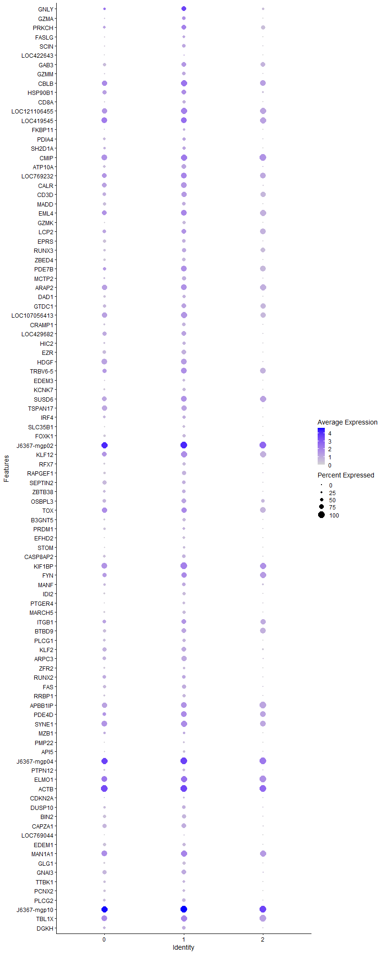
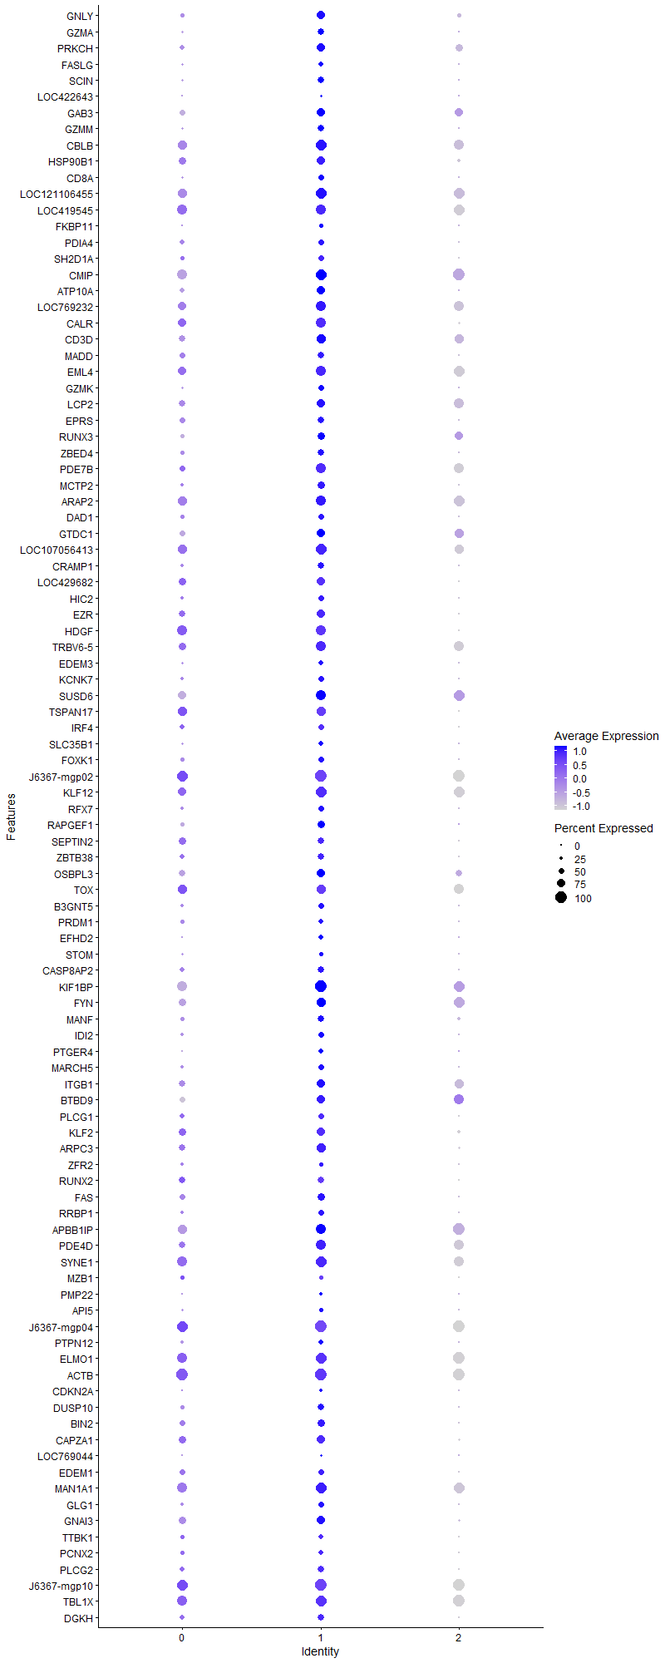
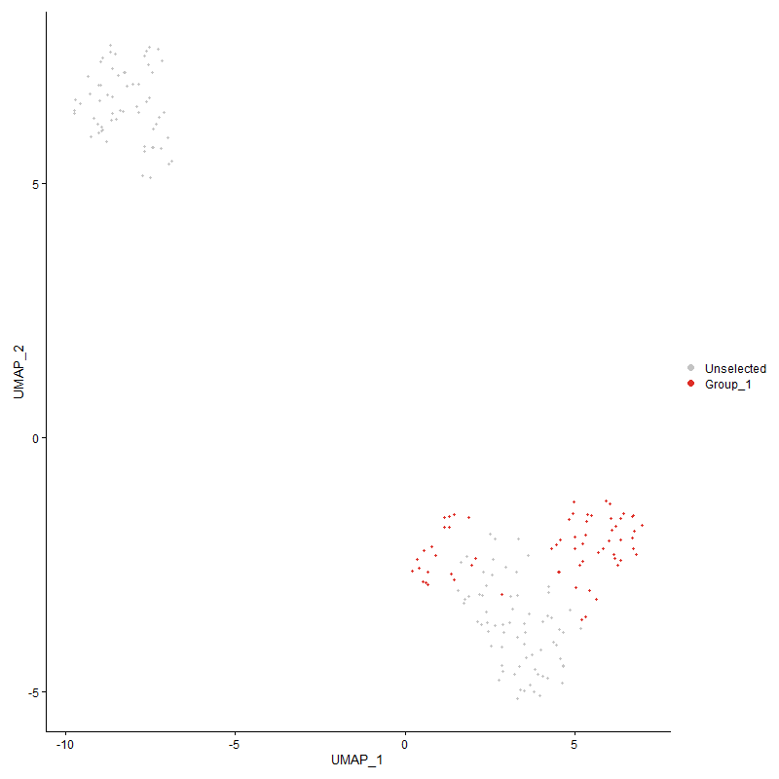
 | p_val | avg_log2FC | pct.1 | pct.2 | p_val_adj | cluster | gene
GNLY | 2.729999876E-11 | 2.381977528 | 0.708 | 0.313 | 4.1689828106E-07 | 1 | GNLY
GZMA | 1.2768357026E-12 | 2.0067805334 | 0.554 | 0.115 | 1.9498558014E-08 | 1 | GZMA
PRKCH | 1.9077770305E-08 | 1.6030932063 | 0.738 | 0.519 | 0.00029133663033 | 1 | PRKCH
FASLG | 1.6740813413E-07 | 1.3293262598 | 0.415 | 0.107 | 0.0025564896162 | 1 | FASLG
SCIN | 1.1328684488E-10 | 1.2468003728 | 0.554 | 0.137 | 1.7300034081E-06 | 1 | SCIN
LOC422643 | 0.0021099702049 | 1.2100362232 | 0.185 | 0.053 | 1 | 1 | LOC422643
GAB3 | 2.8276771696E-06 | 1.189652492 | 0.738 | 0.603 | 0.043181458057 | 1 | GAB3
GZMM | 1.4087730745E-11 | 1.1751745683 | 0.554 | 0.122 | 2.151337362E-07 | 1 | GZMM
CBLB | 0.0001352100771 | 1.1146778196 | 0.923 | 0.84 | 1 | 1 | CBLB
HSP90B1 | 3.1490432219E-06 | 1.0824117944 | 0.723 | 0.435 | 0.048089039041 | 1 | HSP90B1
CD8A | 8.4272570971E-12 | 1.0110551885 | 0.523 | 0.084 | 1.2869264313E-07 | 1 | CD8A
LOC121106455 | 1.8541795682E-09 | 0.9998497338 | 0.954 | 0.885 | 2.8315176186E-05 | 1 | LOC121106455
LOC419545 | 6.209890437E-07 | 0.98317615593 | 0.908 | 0.908 | 0.0094831236864 | 1 | LOC419545
FKBP11 | 6.0305046548E-06 | 0.97308733831 | 0.323 | 0.076 | 0.092091836584 | 1 | FKBP11
PDIA4 | 0.00087463295335 | 0.96284609547 | 0.492 | 0.267 | 1 | 1 | PDIA4
SH2D1A | 1.2795419349E-06 | 0.93670784705 | 0.523 | 0.198 | 0.019539884888 | 1 | SH2D1A
CMIP | 1.5704130013E-05 | 0.91075028271 | 0.985 | 0.947 | 0.23981776943 | 1 | CMIP
ATP10A | 8.5910006601E-10 | 0.91059500673 | 0.754 | 0.267 | 1.3119317108E-05 | 1 | ATP10A
LOC769232 | 0.0024671736288 | 0.90036939044 | 0.877 | 0.794 | 1 | 1 | LOC769232
CALR | 1.3719257194E-08 | 0.89037370609 | 0.877 | 0.45 | 0.00020950677661 | 1 | CALR
CD3D | 5.7261422808E-07 | 0.87686984111 | 0.815 | 0.672 | 0.008744391877 | 1 | CD3D
MADD | 3.5334942311E-05 | 0.86666527917 | 0.538 | 0.313 | 0.53959990403 | 1 | MADD
EML4 | 1.2946733066E-08 | 0.85042178992 | 0.908 | 0.832 | 0.00019770956065 | 1 | EML4
GZMK | 1.2266396695E-10 | 0.83114609849 | 0.477 | 0.084 | 1.8732014392E-06 | 1 | GZMK
LCP2 | 0.0070787979095 | 0.82067316208 | 0.723 | 0.733 | 1 | 1 | LCP2
EPRS | 1.5211704654E-06 | 0.81144616282 | 0.585 | 0.275 | 0.023229794178 | 1 | EPRS
RUNX3 | 0.0015845097296 | 0.80058145715 | 0.615 | 0.496 | 1 | 1 | RUNX3
ZBED4 | 2.744602E-09 | 0.77171687512 | 0.569 | 0.191 | 4.1912817142E-05 | 1 | ZBED4
PDE7B | 2.0343098985E-06 | 0.77067598834 | 0.862 | 0.687 | 0.03106594646 | 1 | PDE7B
MCTP2 | 1.1508165633E-10 | 0.76266755864 | 0.677 | 0.176 | 1.7574119739E-06 | 1 | MCTP2
ARAP2 | 0.00038336196767 | 0.76069461271 | 0.877 | 0.847 | 1 | 1 | ARAP2
DAD1 | 1.0251449525E-05 | 0.75129591471 | 0.523 | 0.198 | 0.1565498857 | 1 | DAD1
GTDC1 | 6.745011032E-05 | 0.74144812875 | 0.723 | 0.634 | 1 | 1 | GTDC1
LOC107056413 | 3.9183328726E-09 | 0.73604814101 | 0.938 | 0.802 | 5.9836861298E-05 | 1 | LOC107056413
CRAMP1 | 1.2716868146E-08 | 0.73153265989 | 0.6 | 0.183 | 0.00019419929346 | 1 | CRAMP1
LOC429682 | 1.5211941792E-06 | 0.72865545781 | 0.738 | 0.389 | 0.023230156311 | 1 | LOC429682
HIC2 | 2.177720367E-06 | 0.72335872844 | 0.462 | 0.153 | 0.033255967724 | 1 | HIC2
EZR | 1.4764448025E-09 | 0.72071343668 | 0.723 | 0.29 | 2.254678858E-05 | 1 | EZR
HDGF1 | 2.8433798239E-07 | 0.71747171932 | 0.892 | 0.527 | 0.0043421253291 | 1 | HDGF
TRBV6-5 | 3.4578635084E-06 | 0.71529914997 | 0.862 | 0.763 | 0.052805033638 | 1 | TRBV6-5
EDEM3 | 5.2386520075E-08 | 0.71297383558 | 0.446 | 0.107 | 0.00079999454807 | 1 | EDEM3
KCNK7 | 2.7673473125E-07 | 0.71221070673 | 0.477 | 0.153 | 0.004226016081 | 1 | KCNK7
SUSD6 | 0.0010108459636 | 0.70780851469 | 0.862 | 0.832 | 1 | 1 | SUSD6
TSPAN171 | 8.0348834203E-07 | 0.69837940686 | 0.769 | 0.42 | 0.012270070471 | 1 | TSPAN17
IRF4 | 0.0022273073039 | 0.68912709362 | 0.508 | 0.237 | 1 | 1 | IRF4
SLC35B1 | 1.1211700855E-08 | 0.6840738659 | 0.431 | 0.092 | 0.00017121388376 | 1 | SLC35B1
FOXK1 | 5.1237917434E-07 | 0.68243244105 | 0.523 | 0.198 | 0.0078245423714 | 1 | FOXK1
J6367-mgp021 | 1.6427165591E-07 | 0.67634589065 | 1 | 0.992 | 0.0025085924574 | 1 | J6367-mgp02
KLF12 | 1.1858841703E-06 | 0.67610560055 | 0.938 | 0.824 | 0.018109637165 | 1 | KLF12
RFX7 | 1.4811063684E-07 | 0.67500598538 | 0.508 | 0.168 | 0.0022617975353 | 1 | RFX7
RAPGEF1 | 2.4917166375E-08 | 0.67361409425 | 0.631 | 0.244 | 0.00038051004772 | 1 | RAPGEF1
SEPTIN2 | 0.002572415102 | 0.67097974691 | 0.554 | 0.389 | 1 | 1 | SEPTIN2
ZBTB38 | 1.6429346419E-05 | 0.66764736621 | 0.554 | 0.244 | 0.25089254917 | 1 | ZBTB38
OSBPL3 | 8.9257957737E-05 | 0.66751328052 | 0.708 | 0.565 | 1 | 1 | OSBPL3
TOX | 0.0012148807418 | 0.66628002491 | 0.815 | 0.817 | 1 | 1 | TOX
B3GNT5 | 9.8350223944E-09 | 0.6656681208 | 0.523 | 0.153 | 0.00015019062699 | 1 | B3GNT5
PRDM1 | 8.1393431633E-05 | 0.66313188509 | 0.446 | 0.183 | 1 | 1 | PRDM1
EFHD2 | 1.5449091493E-10 | 0.65449009195 | 0.4 | 0.046 | 2.3592307619E-06 | 1 | EFHD2
STOM | 2.4715327602E-07 | 0.65132506091 | 0.369 | 0.076 | 0.0037742776781 | 1 | STOM
CASP8AP2 | 0.00020340556656 | 0.65065294581 | 0.538 | 0.29 | 1 | 1 | CASP8AP2
KIF1BP | 6.1350238482E-07 | 0.65003622748 | 1 | 0.924 | 0.0093687949186 | 1 | KIF1BP
FYN | 0.0015744032669 | 0.63576386802 | 0.815 | 0.802 | 1 | 1 | FYN
MANF | 9.34560676E-05 | 0.63375033659 | 0.6 | 0.298 | 1 | 1 | MANF
IDI2 | 8.2816490824E-08 | 0.63349239465 | 0.477 | 0.137 | 0.0012646906314 | 1 | IDI2
PTGER4 | 1.2214793459E-06 | 0.63254356526 | 0.4 | 0.107 | 0.018653211091 | 1 | PTGER4
MARCH5 | 4.5399871851E-06 | 0.63254356526 | 0.477 | 0.183 | 0.069330144303 | 1 | MARCH5
ITGB1 | 0.0017066022265 | 0.62852032892 | 0.754 | 0.664 | 1 | 1 | ITGB1
BTBD9 | 0.00013224867291 | 0.62819809498 | 0.754 | 0.679 | 1 | 1 | BTBD9
PLCG1 | 4.2974511664E-05 | 0.62463836717 | 0.492 | 0.214 | 0.65626376762 | 1 | PLCG1
KLF2 | 8.8011003904E-05 | 0.62172780834 | 0.723 | 0.473 | 1 | 1 | KLF2
ARPC3 | 9.2887093577E-07 | 0.62131170939 | 0.769 | 0.412 | 0.01418478806 | 1 | ARPC3
ZFR2 | 0.00070098180184 | 0.6175738326 | 0.338 | 0.145 | 1 | 1 | ZFR2
RUNX21 | 0.00067679296645 | 0.61629872028 | 0.585 | 0.328 | 1 | 1 | RUNX2
FAS | 2.1236591148E-05 | 0.61309120259 | 0.615 | 0.321 | 0.32430398342 | 1 | FAS
RRBP1 | 4.4495075374E-06 | 0.60953882888 | 0.477 | 0.16 | 0.067948429603 | 1 | RRBP1
APBB1IP | 0.00044344491878 | 0.60931451184 | 0.846 | 0.901 | 1 | 1 | APBB1IP
PDE4D | 6.7522289344E-05 | 0.60506282883 | 0.892 | 0.74 | 1 | 1 | PDE4D
SYNE1 | 3.3234306089E-05 | 0.60430112849 | 0.938 | 0.87 | 0.50752108829 | 1 | SYNE1
MZB1 | 0.0064997694113 | 0.59998659143 | 0.338 | 0.16 | 1 | 1 | MZB1
PMP22 | 1.7519467179E-05 | 0.59952363273 | 0.246 | 0.046 | 0.26753978329 | 1 | PMP22
API5 | 2.9988392445E-06 | 0.59933042327 | 0.354 | 0.092 | 0.045795274103 | 1 | API5
J6367-mgp041 | 7.3229891135E-06 | 0.59784735979 | 1 | 0.977 | 0.11182936675 | 1 | J6367-mgp04
PTPN12 | 9.8029172226E-05 | 0.59034893914 | 0.415 | 0.16 | 1 | 1 | PTPN12
ELMO1 | 3.7540874417E-05 | 0.58771836601 | 0.985 | 0.931 | 0.57328669323 | 1 | ELMO1
ACTB | 0.00088478212219 | 0.58618332913 | 1 | 1 | 1 | 1 | ACTB
CDKN2A | 2.0212523231E-05 | 0.58259717347 | 0.262 | 0.053 | 0.30866544226 | 1 | CDKN2A
DUSP10 | 7.5664720921E-06 | 0.58221188971 | 0.585 | 0.237 | 0.11554759532 | 1 | DUSP10
BIN2 | 5.0770799733E-06 | 0.57770581095 | 0.631 | 0.313 | 0.077532088272 | 1 | BIN2
CAPZA1 | 6.3111765274E-05 | 0.57458051857 | 0.692 | 0.412 | 0.96377976749 | 1 | CAPZA1
LOC769044 | 5.5027814881E-05 | 0.56744853703 | 0.2 | 0.031 | 0.84032976104 | 1 | LOC769044
EDEM1 | 0.00010562538545 | 0.56581745145 | 0.523 | 0.275 | 1 | 1 | EDEM1
MAN1A1 | 0.00066224454381 | 0.56578377078 | 0.969 | 0.916 | 1 | 1 | MAN1A1
GLG1 | 2.4900796827E-08 | 0.56102226787 | 0.523 | 0.153 | 0.00038026006834 | 1 | GLG1
GNAI3 | 0.0001272248954 | 0.55884789664 | 0.708 | 0.458 | 1 | 1 | GNAI3
TTBK1 | 0.00032746656911 | 0.55854298381 | 0.431 | 0.191 | 1 | 1 | TTBK1
PCNX2 | 0.00072393074689 | 0.55586056276 | 0.385 | 0.176 | 1 | 1 | PCNX2
PLCG2 | 1.1265943269E-05 | 0.55517263695 | 0.585 | 0.252 | 0.17204221966 | 1 | PLCG2
J6367-mgp101 | 9.4395146429E-06 | 0.5550652599 | 1 | 0.992 | 0.14415082811 | 1 | J6367-mgp10
TBL1X | 0.0033272250166 | 0.55406950723 | 0.954 | 0.931 | 1 | 1 | TBL1X
DGKH | 2.3949651063E-05 | 0.55395362966 | 0.554 | 0.244 | 0.36573512139 | 1 | DGKH
KIAA1257 | 3.093850906E-05 | 0.55276449128 | 0.338 | 0.092 | 0.47246197185 | 1 | KIAA1257
SNX24 | 4.4203354564E-06 | 0.54947510329 | 0.4 | 0.115 | 0.067502942754 | 1 | SNX24
SEC62 | 0.00011951062392 | 0.54654901297 | 0.523 | 0.252 | 1 | 1 | SEC62
TMX3 | 0.00055424577548 | 0.54539161616 | 0.462 | 0.252 | 1 | 1 | TMX3
PDIA3 | 2.010796965E-05 | 0.54439200064 | 0.8 | 0.473 | 0.30706880453 | 1 | PDIA3
SSR3 | 0.00014894394266 | 0.54392917808 | 0.508 | 0.252 | 1 | 1 | SSR3
BCL11B | 0.0010921525365 | 0.54266826464 | 0.769 | 0.71 | 1 | 1 | BCL11B
MAP2K5 | 0.0012803008564 | 0.54156990521 | 0.354 | 0.16 | 1 | 1 | MAP2K5
IKZF3 | 2.2311202875E-06 | 0.53830219137 | 0.708 | 0.336 | 0.03407143791 | 1 | IKZF3
CTBP1 | 0.0027137391371 | 0.5363747428 | 0.846 | 0.901 | 1 | 1 | CTBP1
BCR | 0.0092292977671 | 0.53631144311 | 0.723 | 0.611 | 1 | 1 | BCR
EBAG9 | 0.0001037485301 | 0.53589669679 | 0.646 | 0.336 | 1 | 1 | EBAG9
SSR2 | 0.0055131192326 | 0.53513544708 | 0.585 | 0.366 | 1 | 1 | SSR2
GBF1 | 0.0011008303193 | 0.53373341098 | 0.692 | 0.511 | 1 | 1 | GBF1
DHX36 | 0.00017443584471 | 0.52562836134 | 0.523 | 0.282 | 1 | 1 | DHX36
DNAJC1 | 6.1370467789E-06 | 0.52412477075 | 0.585 | 0.26 | 0.093718841361 | 1 | DNAJC1
PRPF40A | 4.8877695993E-05 | 0.52179310421 | 0.662 | 0.359 | 0.74641129551 | 1 | PRPF40A
SH2D1B | 5.138559906E-09 | 0.51920209218 | 0.323 | 0.031 | 7.8470948324E-05 | 1 | SH2D1B
DIP2C | 0.00040185333282 | 0.51764662568 | 0.246 | 0.069 | 1 | 1 | DIP2C
IGF2R | 0.0008595118003 | 0.51437922021 | 0.462 | 0.237 | 1 | 1 | IGF2R
LAMP3 | 1.584647149E-06 | 0.51245297259 | 0.446 | 0.145 | 0.024199146613 | 1 | LAMP3
RAC2 | 0.0050322487812 | 0.50701268317 | 0.692 | 0.511 | 1 | 1 | RAC2
MCM4 | 1.4460701038E-06 | 0.50459466147 | 0.431 | 0.13 | 0.022082936555 | 1 | MCM4
SPCS3 | 0.0011128984447 | 0.50442104847 | 0.615 | 0.458 | 1 | 1 | SPCS3
IL2RG | 2.5134683061E-05 | 0.50371358491 | 0.615 | 0.313 | 0.38383174502 | 1 | IL2RG
INPPL1 | 2.5176671539E-05 | 0.50204154102 | 0.338 | 0.099 | 0.38447295107 | 1 | INPPL1
ZBTB21 | 2.0039568638E-05 | 0.5011060422 | 0.538 | 0.237 | 0.30602425268 | 1 | ZBTB21
PPP1R36 | 0.00031695698953 | 0.50057090375 | 0.323 | 0.115 | 1 | 1 | PPP1R36
FAM208A | 0.0013798853245 | 0.4998939882 | 0.477 | 0.252 | 1 | 1 | FAM208A
PRR5L | 4.5321665958E-06 | 0.49934166982 | 0.338 | 0.084 | 0.069210716084 | 1 | PRR5L
PNPLA4 | 0.00055951540533 | 0.49648201568 | 0.277 | 0.084 | 1 | 1 | PNPLA4
NFATC2 | 2.8881036153E-05 | 0.49648201568 | 0.538 | 0.229 | 0.44104230309 | 1 | NFATC2
LOC101749378 | 0.0020312355596 | 0.49480543787 | 0.662 | 0.595 | 1 | 1 | LOC101749378
GRAMD4 | 0.0001912663413 | 0.49413807521 | 0.477 | 0.229 | 1 | 1 | GRAMD4
COPZ1 | 5.5755152785E-08 | 0.49383729442 | 0.554 | 0.183 | 0.00085143693818 | 1 | COPZ1
CX3CR1 | 1.5591893258E-05 | 0.49232638619 | 0.369 | 0.115 | 0.23810380195 | 1 | CX3CR1
PDAP1 | 4.3211438294E-06 | 0.49144642578 | 0.692 | 0.351 | 0.065988187419 | 1 | PDAP1
DPF31 | 5.3773132691E-05 | 0.49127685655 | 0.631 | 0.321 | 0.82116950933 | 1 | DPF3
RNPC3 | 2.2751775678E-06 | 0.4898182854 | 0.462 | 0.16 | 0.034744236637 | 1 | RNPC3
SRPRA | 9.3417403367E-05 | 0.48951806793 | 0.492 | 0.229 | 1 | 1 | SRPRA
KPNB11 | 0.00030136790679 | 0.48941862316 | 0.662 | 0.42 | 1 | 1 | KPNB1
COL4A3BP | 8.7004810028E-06 | 0.48810235006 | 0.354 | 0.099 | 0.13286504539 | 1 | COL4A3BP
NR1H3 | 3.6029384842E-06 | 0.48697492993 | 0.492 | 0.176 | 0.055020473593 | 1 | NR1H3
HEY1 | 6.9514198571E-08 | 0.48498637684 | 0.354 | 0.053 | 0.0010615513264 | 1 | HEY1
STAG3 | 5.7741766059E-06 | 0.48461876439 | 0.477 | 0.183 | 0.088177450948 | 1 | STAG3
P2RY8 | 0.0016499678127 | 0.48026782794 | 0.923 | 0.916 | 1 | 1 | P2RY8
CMC1 | 7.1071812243E-06 | 0.47973065139 | 0.492 | 0.183 | 0.10853376448 | 1 | CMC1
GNG2 | 0.00051444224098 | 0.47912745011 | 0.6 | 0.374 | 1 | 1 | GNG2
DNAJC3 | 0.0028906175085 | 0.47743956779 | 0.492 | 0.282 | 1 | 1 | DNAJC3
CDYL2 | 0.0061755036358 | 0.47671876086 | 0.354 | 0.198 | 1 | 1 | CDYL2
DOCK2 | 0.0013316004151 | 0.47612356507 | 0.985 | 0.962 | 1 | 1 | DOCK2
RELL1 | 8.3266634805E-05 | 0.47601791312 | 0.292 | 0.084 | 1 | 1 | RELL1
GPC5 | 0.00051568107515 | 0.47601791312 | 0.262 | 0.084 | 1 | 1 | GPC5
KDM6A | 0.0021398436728 | 0.47581806157 | 0.938 | 0.893 | 1 | 1 | KDM6A
YBX3 | 5.9016589827E-06 | 0.47500228827 | 0.646 | 0.321 | 0.090124234324 | 1 | YBX3
HDAC1 | 2.9543904608E-05 | 0.47339840257 | 0.523 | 0.252 | 0.45116496728 | 1 | HDAC1
TXLNG | 5.4058049075E-07 | 0.47309016733 | 0.446 | 0.122 | 0.0082552046742 | 1 | TXLNG
ZFYVE26 | 6.928616948E-07 | 0.47309016733 | 0.415 | 0.107 | 0.010580690941 | 1 | ZFYVE26
GANAB | 0.00020907447445 | 0.47309016733 | 0.338 | 0.13 | 1 | 1 | GANAB
TPM1 | 6.4884297595E-05 | 0.47284094698 | 0.477 | 0.229 | 0.99084810858 | 1 | TPM1
...

Cluster2
...



