Clustered cells
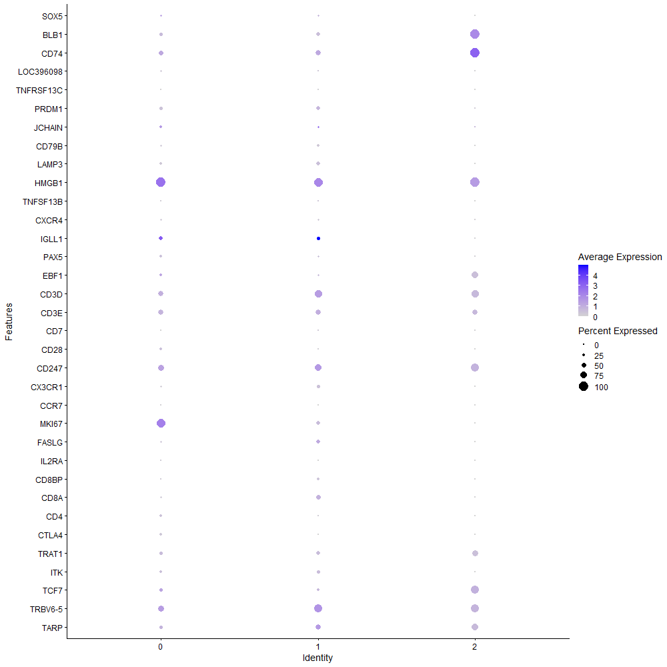
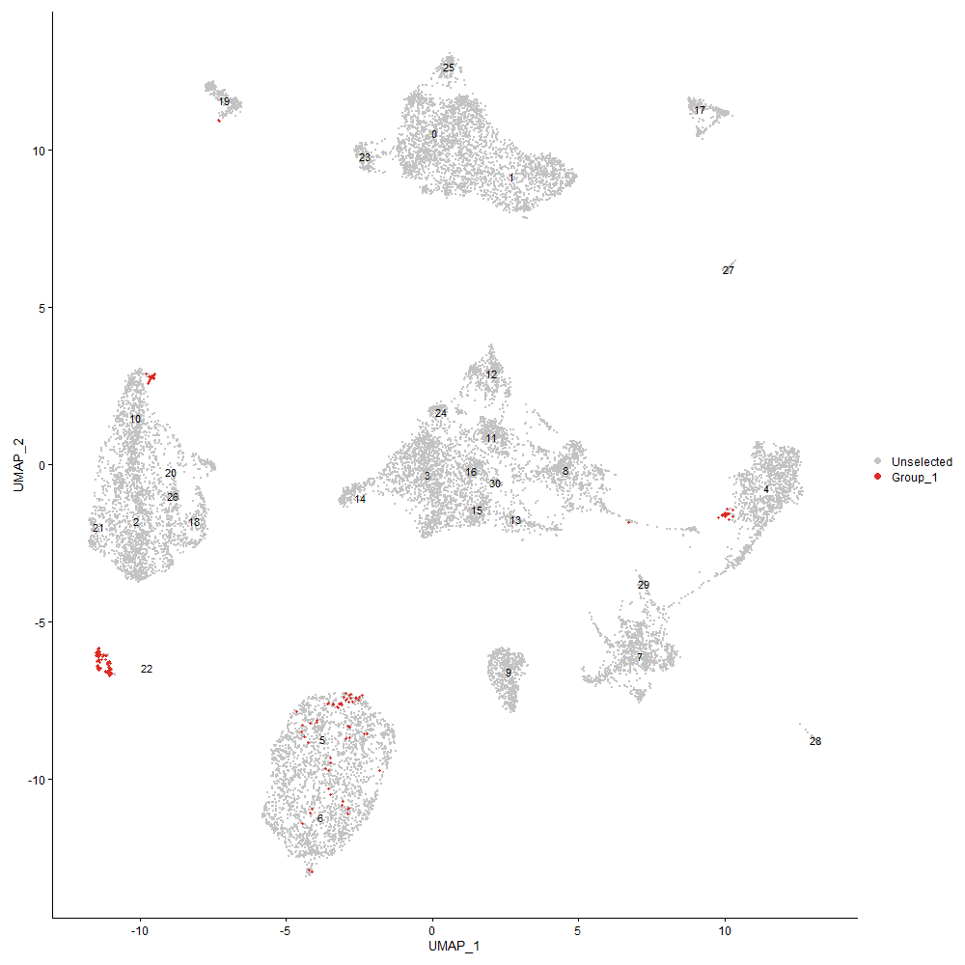
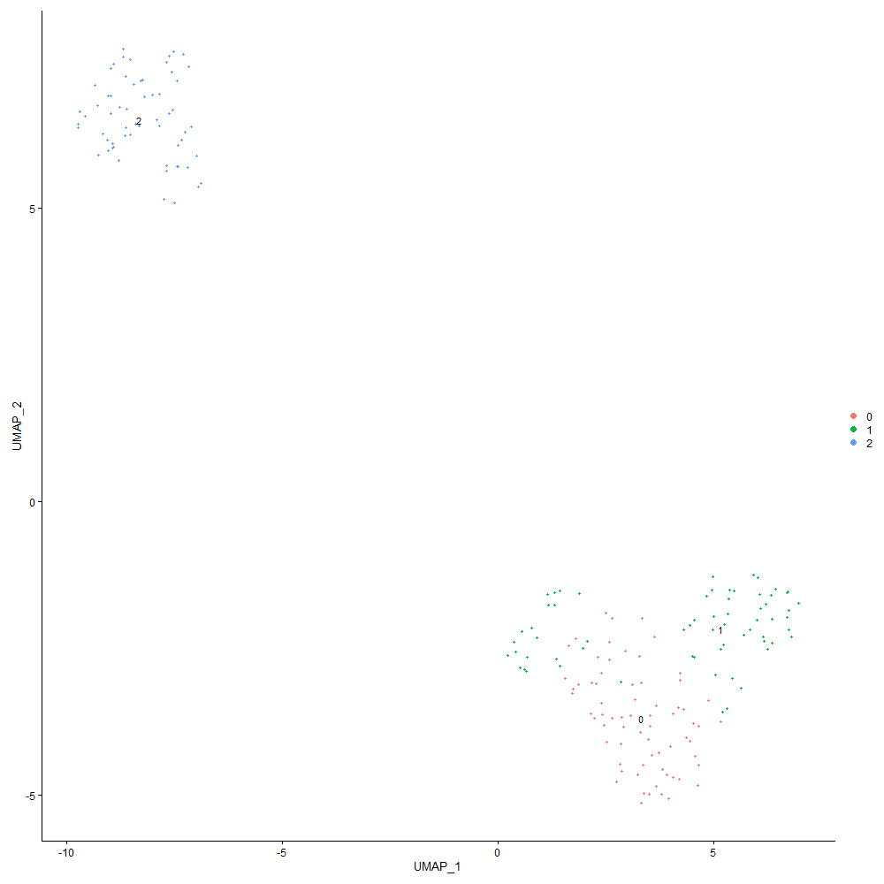
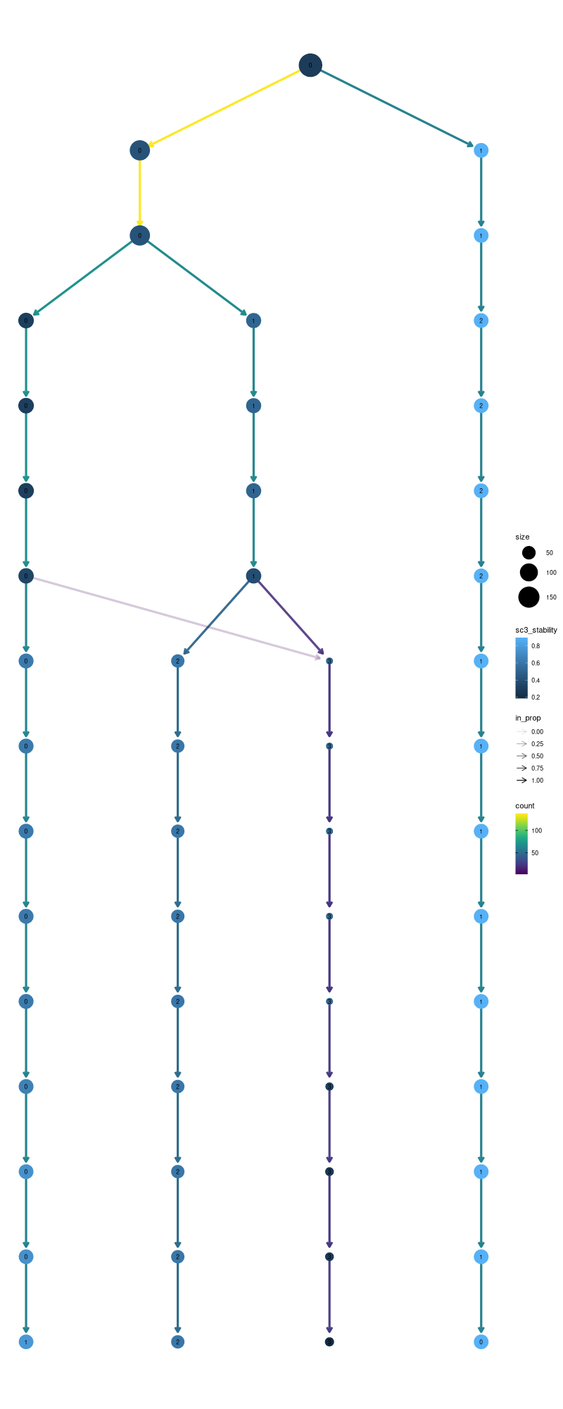

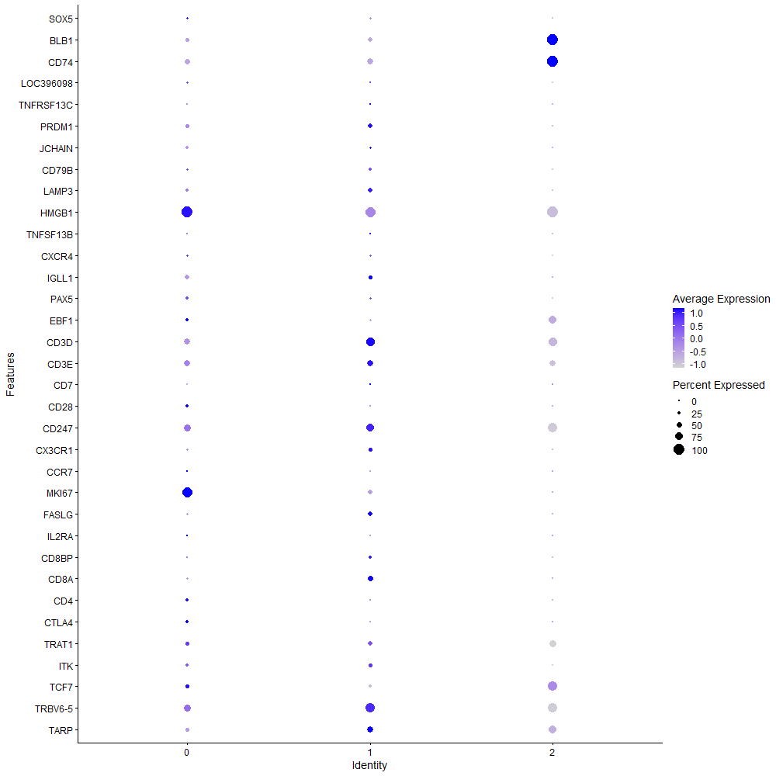
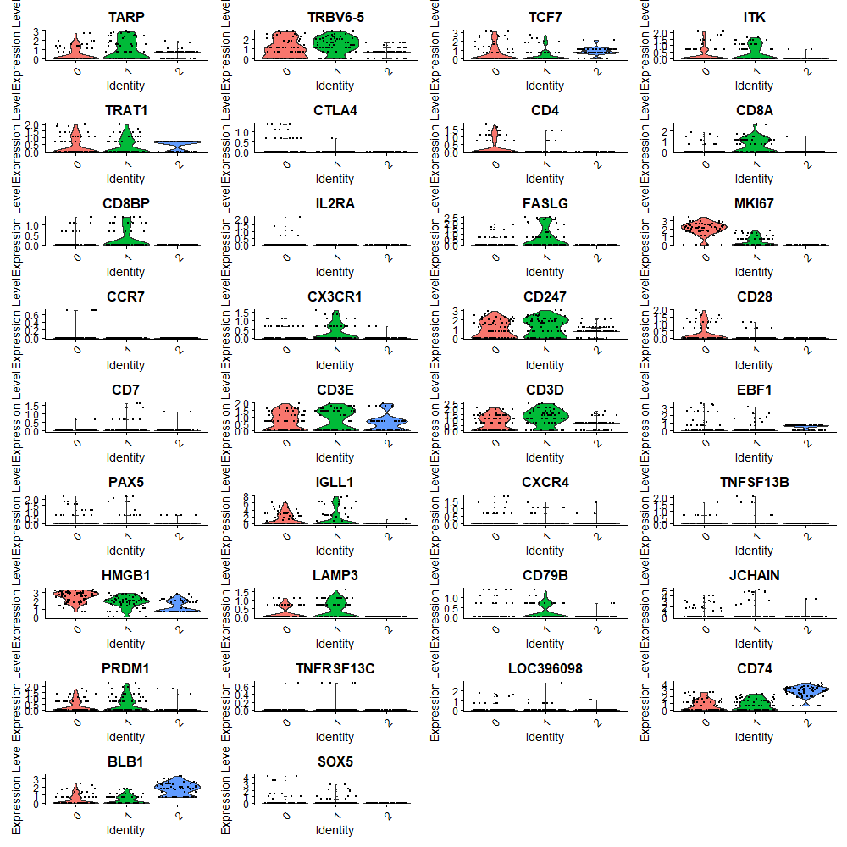

Cluster0
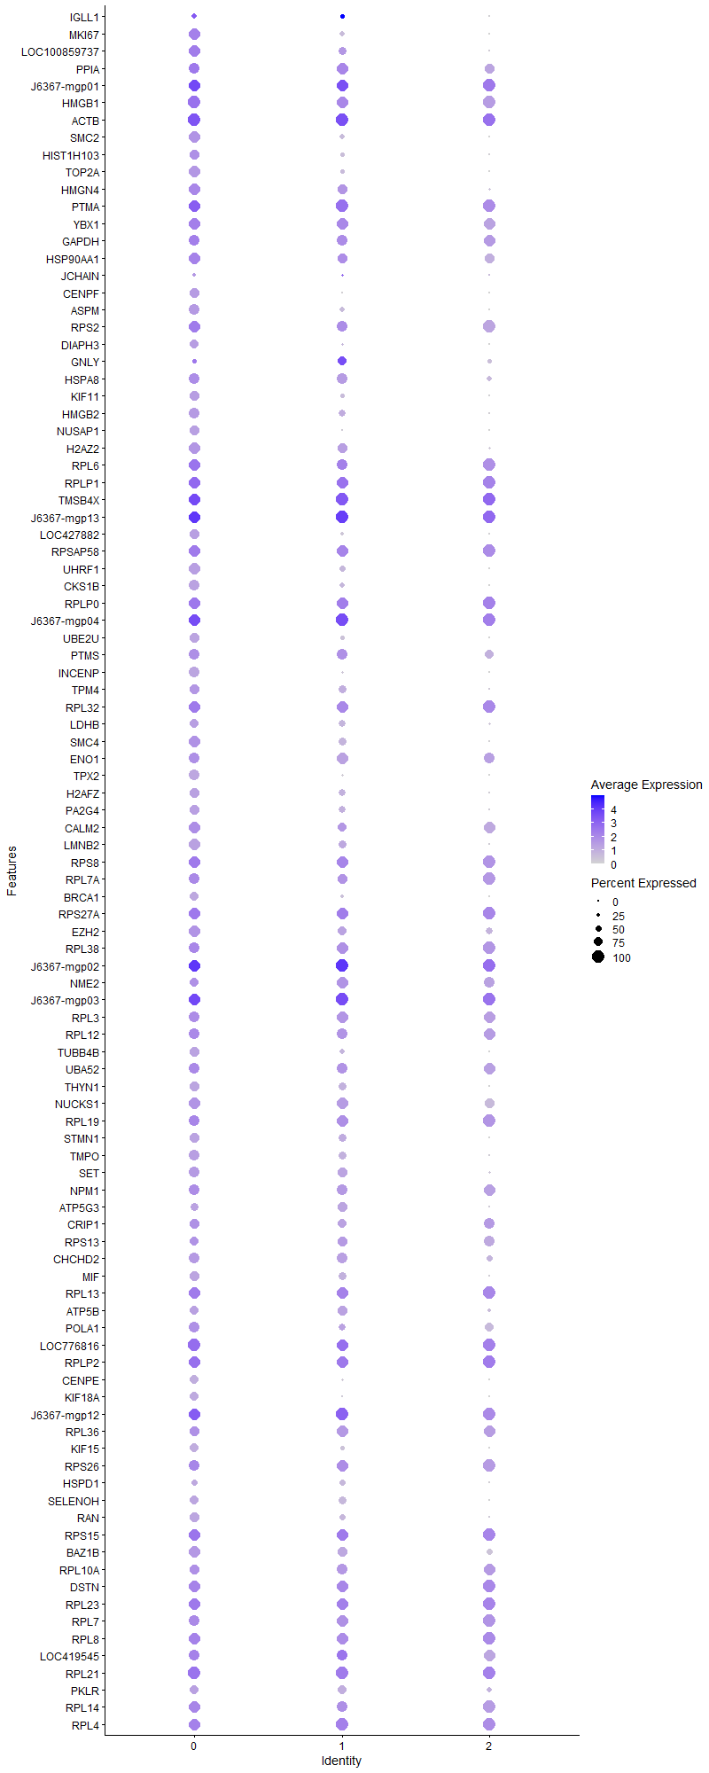
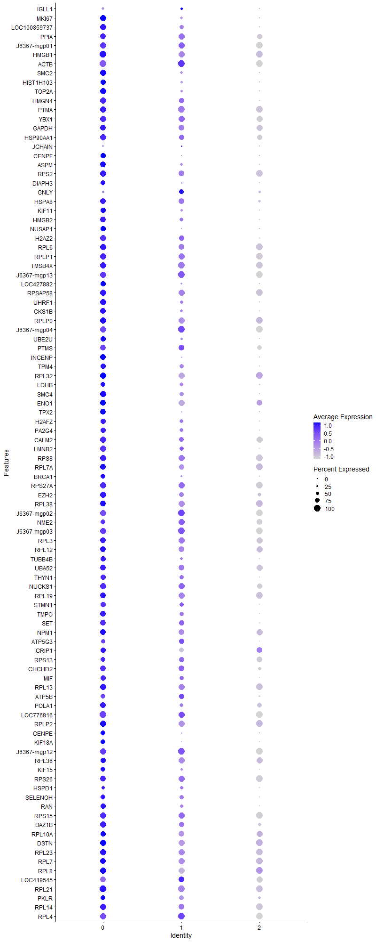
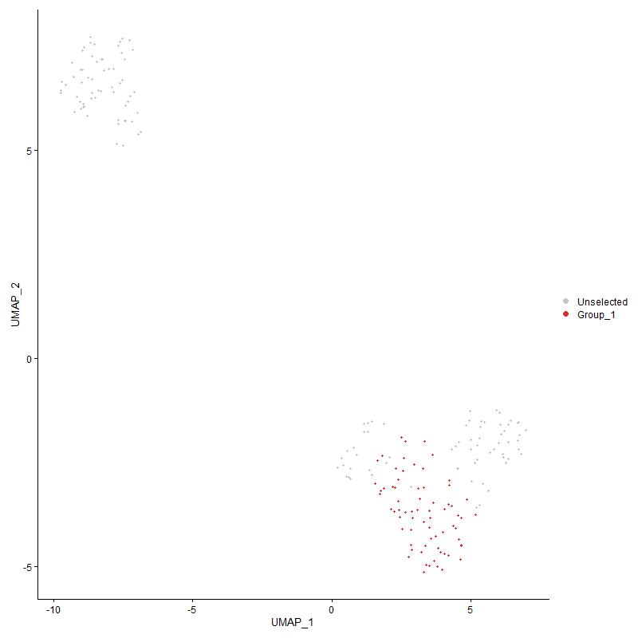
 | p_val | avg_log2FC | pct.1 | pct.2 | p_val_adj | cluster | gene
IGLL1 | 1.326036074E-09 | 2.9379066722 | 0.4 | 0.167 | 2.0249896886E-05 | 0 | IGLL1
MKI67 | 0 | 2.5655903328 | 0.929 | 0.01 | 0 | 0 | MKI67
LOC100859737 | 1.1648076516E-71 | 2.2312917499 | 0.9 | 0.187 | 1.7787777647E-67 | 0 | LOC100859737
PPIA | 4.4725494893E-34 | 2.0393777884 | 0.886 | 0.355 | 6.8300303251E-30 | 0 | PPIA
J6367-mgp01 | 4.7489057004E-33 | 1.9773529452 | 0.986 | 0.879 | 7.2520538951E-29 | 0 | J6367-mgp01
HMGB1 | 6.0773549054E-42 | 1.9696000529 | 0.971 | 0.503 | 9.2807286761E-38 | 0 | HMGB1
ACTB | 3.2431224917E-27 | 1.9077551178 | 0.971 | 0.687 | 4.9525723571E-23 | 0 | ACTB
SMC2 | 0 | 1.8871946688 | 0.943 | 0.003 | 0 | 0 | SMC2
HIST1H103 | 3.5286698366E-133 | 1.8737688944 | 0.729 | 0.058 | 5.3886317075E-129 | 0 | HIST1H103
TOP2A | 0 | 1.7910030459 | 0.9 | 0.002 | 0 | 0 | TOP2A
HMGN4 | 1.0116874721E-68 | 1.7720837612 | 0.957 | 0.225 | 1.5449479386E-64 | 0 | HMGN4
PTMA | 4.5810444122E-33 | 1.7596243359 | 0.971 | 0.79 | 6.9957129218E-29 | 0 | PTMA
YBX1 | 1.585268433E-36 | 1.7334806741 | 0.886 | 0.379 | 2.4208634241E-32 | 0 | YBX1
GAPDH | 6.1776810939E-27 | 1.6907870409 | 0.814 | 0.335 | 9.4339367985E-23 | 0 | GAPDH
HSP90AA1 | 1.6640841068E-25 | 1.6762373547 | 0.814 | 0.342 | 2.5412228395E-21 | 0 | HSP90AA1
JCHAIN | 1.5675621148E-147 | 1.6703586862 | 0.243 | 0.005 | 2.3938241054E-143 | 0 | JCHAIN
CENPF | 0 | 1.6377409486 | 0.757 | 0.004 | 0 | 0 | CENPF
ASPM | 0 | 1.6335197127 | 0.8 | 0.013 | 0 | 0 | ASPM
RPS2 | 9.591925899E-20 | 1.596849554 | 0.871 | 0.479 | 1.464783004E-15 | 0 | RPS2
DIAPH3 | 0 | 1.5781097634 | 0.7 | 0.004 | 0 | 0 | DIAPH3
GNLY | 0.0005230539063 | 1.5728908306 | 0.286 | 0.154 | 1 | 0 | GNLY
HSPA8 | 4.264919465E-36 | 1.5512892802 | 0.8 | 0.256 | 6.512958515E-32 | 0 | HSPA8
KIF11 | 0 | 1.5187922203 | 0.757 | 0.01 | 0 | 0 | KIF11
HMGB2 | 7.1083108376E-210 | 1.5038061121 | 0.829 | 0.047 | 1.085510148E-205 | 0 | HMGB2
NUSAP1 | 0 | 1.4804482642 | 0.743 | 0.011 | 0 | 0 | NUSAP1
H2AZ2 | 8.811031372E-101 | 1.4772549571 | 0.929 | 0.131 | 1.3455326008E-96 | 0 | H2AZ2
RPL6 | 8.4979432514E-20 | 1.4673287975 | 0.886 | 0.591 | 1.2977209139E-15 | 0 | RPL6
RPLP1 | 1.2530481996E-15 | 1.4548786805 | 0.986 | 0.685 | 1.9135299056E-11 | 0 | RPLP1
TMSB4X | 2.7850687421E-14 | 1.4476168227 | 0.971 | 0.899 | 4.2530784761E-10 | 0 | TMSB4X
J6367-mgp13 | 8.924983895E-28 | 1.401731355 | 0.957 | 0.997 | 1.3629342906E-23 | 0 | J6367-mgp13
LOC427882 | 0 | 1.3974732005 | 0.729 | 0.022 | 0 | 0 | LOC427882
RPSAP58 | 2.3801790468E-22 | 1.3812229634 | 0.914 | 0.544 | 3.6347714223E-18 | 0 | RPSAP58
UHRF1 | 1.703642484E-280 | 1.3783774689 | 0.871 | 0.037 | 2.6016324373E-276 | 0 | UHRF1
CKS1B | 0 | 1.3598250584 | 0.714 | 0.006 | 0 | 0 | CKS1B
RPLP0 | 2.265612546E-20 | 1.3578156071 | 0.9 | 0.602 | 3.459816919E-16 | 0 | RPLP0
J6367-mgp04 | 5.9438117585E-26 | 1.3410495903 | 0.957 | 0.975 | 9.0767949364E-22 | 0 | J6367-mgp04
UBE2U | 0 | 1.3254516296 | 0.757 | 0.003 | 0 | 0 | UBE2U
PTMS | 1.6680245452E-37 | 1.324178529 | 0.843 | 0.29 | 2.547240283E-33 | 0 | PTMS
INCENP | 0 | 1.3166964053 | 0.843 | 0.008 | 0 | 0 | INCENP
TPM4 | 6.3773225404E-40 | 1.309704624 | 0.714 | 0.175 | 9.7388092514E-36 | 0 | TPM4
RPL32 | 4.4854343909E-12 | 1.2980139042 | 0.814 | 0.54 | 6.8497068584E-08 | 0 | RPL32
LDHB | 1.9805028637E-62 | 1.2794930966 | 0.6 | 0.078 | 3.0244259231E-58 | 0 | LDHB
SMC4 | 6.0711734892E-33 | 1.2702201211 | 0.8 | 0.266 | 9.2712890354E-29 | 0 | SMC4
ENO1 | 1.935161695E-27 | 1.2678459508 | 0.829 | 0.352 | 2.9551854244E-23 | 0 | ENO1
TPX2 | 0 | 1.2547609244 | 0.8 | 0.005 | 0 | 0 | TPX2
H2AFZ | 9.6857409462E-151 | 1.2500888627 | 0.786 | 0.058 | 1.4791094999E-146 | 0 | H2AFZ
PA2G4 | 7.4498897894E-70 | 1.2277223876 | 0.729 | 0.105 | 1.1376726697E-65 | 0 | PA2G4
CALM2 | 4.3103608719E-29 | 1.2148103222 | 0.9 | 0.368 | 6.5823520875E-25 | 0 | CALM2
LMNB2 | 3.5547105749E-124 | 1.2090451063 | 0.929 | 0.098 | 5.428398519E-120 | 0 | LMNB2
RPS8 | 3.0626702757E-15 | 1.2078377301 | 0.9 | 0.579 | 4.6770037781E-11 | 0 | RPS8
RPL7A | 1.1646327241E-20 | 1.2058456539 | 0.871 | 0.449 | 1.7785106329E-16 | 0 | RPL7A
BRCA1 | 0 | 1.2009333535 | 0.671 | 0.004 | 0 | 0 | BRCA1
RPS27A | 4.5207325954E-17 | 1.1981419464 | 0.886 | 0.616 | 6.9036107465E-13 | 0 | RPS27A
EZH2 | 6.4573959118E-42 | 1.1817300854 | 0.886 | 0.228 | 9.8610892969E-38 | 0 | EZH2
RPL38 | 1.1602488295E-11 | 1.1790043227 | 0.757 | 0.446 | 1.7718159875E-07 | 0 | RPL38
J6367-mgp02 | 2.7285443818E-23 | 1.1764281451 | 0.986 | 0.995 | 4.1667601254E-19 | 0 | J6367-mgp02
NME2 | 1.5495333984E-11 | 1.1687986074 | 0.629 | 0.352 | 2.3662924527E-07 | 0 | NME2
J6367-mgp03 | 4.0433778668E-24 | 1.1661765426 | 0.957 | 0.989 | 6.1746423404E-20 | 0 | J6367-mgp03
RPL3 | 7.0166232375E-14 | 1.1478736474 | 0.729 | 0.409 | 1.0715085346E-09 | 0 | RPL3
RPL12 | 1.8747477345E-14 | 1.1459723041 | 0.757 | 0.425 | 2.8629272653E-10 | 0 | RPL12
TUBB4B | 1.246747459E-89 | 1.1397766165 | 0.743 | 0.087 | 1.9039080447E-85 | 0 | TUBB4B
UBA52 | 6.4276126522E-19 | 1.1390689416 | 0.829 | 0.456 | 9.8156072811E-15 | 0 | UBA52
THYN1 | 1.114775875E-111 | 1.1340175565 | 0.771 | 0.075 | 1.7023742388E-107 | 0 | THYN1
NUCKS1 | 7.7611438996E-36 | 1.1294053743 | 0.914 | 0.352 | 1.1852042849E-31 | 0 | NUCKS1
RPL19 | 1.959073735E-14 | 1.1248120579 | 0.829 | 0.497 | 2.9917015008E-10 | 0 | RPL19
STMN1 | 1.3808957715E-72 | 1.1219591507 | 0.7 | 0.094 | 2.1087659326E-68 | 0 | STMN1
TMPO | 9.0172082785E-61 | 1.1179183018 | 0.843 | 0.165 | 1.3770178762E-56 | 0 | TMPO
SET | 3.5501157109E-39 | 1.103271012 | 0.843 | 0.252 | 5.4213817021E-35 | 0 | SET
NPM1 | 3.7600032663E-17 | 1.0781064439 | 0.814 | 0.439 | 5.741900988E-13 | 0 | NPM1
ATP5G3 | 6.7483697662E-33 | 1.0773182551 | 0.6 | 0.141 | 1.030543547E-28 | 0 | ATP5G3
CRIP1 | 1.9483242432E-13 | 1.0772896638 | 0.657 | 0.289 | 2.9752859517E-09 | 0 | CRIP1
RPS13 | 8.8911075682E-13 | 1.0769249824 | 0.657 | 0.343 | 1.3577610367E-08 | 0 | RPS13
CHCHD2 | 4.752354242E-29 | 1.0661613655 | 0.757 | 0.258 | 7.257320163E-25 | 0 | CHCHD2
MIF | 6.4299317205E-56 | 1.0510606539 | 0.657 | 0.103 | 9.8191487304E-52 | 0 | MIF
RPL13 | 4.9570747773E-18 | 1.0508611667 | 0.957 | 0.662 | 7.5699488925E-14 | 0 | RPL13
ATP5B | 9.0777720882E-31 | 1.0494583321 | 0.643 | 0.177 | 1.3862665756E-26 | 0 | ATP5B
POLA1 | 7.1233613497E-17 | 1.0460054452 | 0.714 | 0.298 | 1.0878085117E-12 | 0 | POLA1
LOC776816 | 1.1760319533E-17 | 1.0454266455 | 0.971 | 0.784 | 1.7959183959E-13 | 0 | LOC776816
RPLP2 | 2.5435663358E-11 | 1.0415253157 | 0.9 | 0.709 | 3.8842801514E-07 | 0 | RPLP2
CENPE | 0 | 1.0379073408 | 0.643 | 0.002 | 0 | 0 | CENPE
KIF18A | 9.2888101693E-246 | 1.0327347832 | 0.557 | 0.016 | 1.418494201E-241 | 0 | KIF18A
J6367-mgp12 | 4.1214066712E-20 | 1.0311772066 | 0.929 | 0.972 | 6.2938001276E-16 | 0 | J6367-mgp12
RPL36 | 2.1655493627E-17 | 1.0311677662 | 0.786 | 0.401 | 3.3070104317E-13 | 0 | RPL36
KIF15 | 0 | 1.0271050458 | 0.614 | 0.007 | 0 | 0 | KIF15
RPS26 | 1.9655150126E-10 | 1.0207538153 | 0.771 | 0.531 | 3.0015379758E-06 | 0 | RPS26
HSPD1 | 5.5915352483E-38 | 1.0146221758 | 0.429 | 0.064 | 8.5388334776E-34 | 0 | HSPD1
SELENOH | 1.5780252624E-66 | 1.0095425222 | 0.714 | 0.105 | 2.4098023782E-62 | 0 | SELENOH
RAN | 7.4478932046E-71 | 1.007053459 | 0.686 | 0.091 | 1.1373677713E-66 | 0 | RAN
RPS15 | 1.6516690722E-14 | 1.0051229586 | 0.914 | 0.706 | 2.5222638401E-10 | 0 | RPS15
BAZ1B | 2.142580826E-31 | 0.99849596822 | 0.871 | 0.32 | 3.2719351794E-27 | 0 | BAZ1B
RPL10A | 3.096934392E-12 | 0.99485243502 | 0.729 | 0.42 | 4.7293285101E-08 | 0 | RPL10A
DSTN | 1.7865899797E-20 | 0.99476503327 | 0.914 | 0.66 | 2.7283015581E-16 | 0 | DSTN
RPL23 | 1.7358238038E-11 | 0.99206536214 | 0.857 | 0.649 | 2.6507765308E-07 | 0 | RPL23
RPL7 | 5.3633532779E-11 | 0.98906901303 | 0.757 | 0.479 | 8.1903767906E-07 | 0 | RPL7
RPL8 | 7.866778667E-12 | 0.98516725102 | 0.9 | 0.572 | 1.2013357702E-07 | 0 | RPL8
LOC419545 | 1.0098135047E-06 | 0.9670779394 | 0.686 | 0.52 | 0.01542086203 | 0 | LOC419545
RPL21 | 1.2602648674E-12 | 0.96490883771 | 0.957 | 0.716 | 1.924550479E-08 | 0 | RPL21
PKLR | 2.6858225555E-19 | 0.9637360161 | 0.571 | 0.198 | 4.1015196245E-15 | 0 | PKLR
RPL14 | 2.4176894134E-14 | 0.96038558348 | 0.886 | 0.51 | 3.6920535033E-10 | 0 | RPL14
RPL4 | 1.2833734461E-13 | 0.95848503486 | 0.843 | 0.616 | 1.9598395895E-09 | 0 | RPL4
RPL9 | 1.0073651266E-07 | 0.95763584491 | 0.629 | 0.405 | 0.0015383472849 | 0 | RPL9
ITGB1BP3 | 7.6513292188E-11 | 0.95355519642 | 0.771 | 0.451 | 1.168434485E-06 | 0 | ITGB1BP3
RPL17 | 3.7315185629E-13 | 0.95300214733 | 0.757 | 0.412 | 5.6984019974E-09 | 0 | RPL17
RPL36A | 5.4788066217E-14 | 0.95213020654 | 0.871 | 0.515 | 8.3666855919E-10 | 0 | RPL36A
LBR | 1.4926115883E-28 | 0.95020134962 | 0.886 | 0.355 | 2.2793671566E-24 | 0 | LBR
EEF1A1 | 1.134499937E-07 | 0.94988448223 | 0.9 | 0.762 | 0.0017324948538 | 0 | EEF1A1
RRM2 | 0 | 0.94479793639 | 0.6 | 0.001 | 0 | 0 | RRM2
NCL | 1.8509592446E-14 | 0.94333020445 | 0.786 | 0.436 | 2.8265998625E-10 | 0 | NCL
PLACL2 | 5.3108277631E-07 | 0.94227769281 | 0.757 | 0.521 | 0.0081101650771 | 0 | PLACL2
RPS20 | 5.5596039008E-11 | 0.93855311103 | 0.814 | 0.528 | 8.4900711169E-07 | 0 | RPS20
KPNA2 | 0 | 0.93849385592 | 0.514 | 0.006 | 0 | 0 | KPNA2
PCNA | 1.8911902013E-112 | 0.93330578232 | 0.571 | 0.04 | 2.8880365564E-108 | 0 | PCNA
TUBA5 | 0 | 0.93238648303 | 0.6 | 0.01 | 0 | 0 | TUBA5
CDK1 | 0 | 0.91509180811 | 0.6 | 0.006 | 0 | 0 | CDK1
HMGN5 | 1.5242538348E-97 | 0.91008873566 | 0.714 | 0.071 | 2.3276880312E-93 | 0 | HMGN5
LOC124417627 | 5.1968402991E-29 | 0.90926950198 | 0.571 | 0.136 | 7.9360948208E-25 | 0 | LOC124417627
TTK | 0 | 0.90785857636 | 0.629 | 0.004 | 0 | 0 | TTK
G2E3 | 6.0024957234E-48 | 0.90295184301 | 0.543 | 0.08 | 9.1664112192E-44 | 0 | G2E3
RPL37 | 2.932718082E-10 | 0.88931651635 | 0.786 | 0.488 | 4.4785537831E-06 | 0 | RPL37
RPS3 | 7.2214846768E-12 | 0.88600890642 | 0.829 | 0.539 | 1.102792925E-07 | 0 | RPS3
DEK | 2.3142598841E-26 | 0.87998103694 | 0.771 | 0.276 | 3.534106269E-22 | 0 | DEK
PRDX1 | 2.0311324941E-20 | 0.87670876933 | 0.614 | 0.204 | 3.1017424318E-16 | 0 | PRDX1
RPL27A | 8.7677950839E-14 | 0.87473410611 | 0.8 | 0.449 | 1.3389299873E-09 | 0 | RPL27A
KIF4B | 0 | 0.87146116237 | 0.529 | 0.006 | 0 | 0 | KIF4B
RPL31 | 1.779638069E-07 | 0.86462561275 | 0.629 | 0.383 | 0.0027176852952 | 0 | RPL31
RPL39L | 1.1169570255E-11 | 0.86434551273 | 0.914 | 0.682 | 1.7057050736E-07 | 0 | RPL39L
C1QBP | 1.5846083986E-32 | 0.86114404428 | 0.471 | 0.087 | 2.4198554855E-28 | 0 | C1QBP
HSPE1 | 5.4885278777E-38 | 0.86107032615 | 0.443 | 0.067 | 8.381530922E-34 | 0 | HSPE1
ANP32B | 7.8933806891E-21 | 0.8605024037 | 0.614 | 0.214 | 1.205398165E-16 | 0 | ANP32B
EEF1B2 | 5.789512202E-10 | 0.85880834364 | 0.7 | 0.404 | 8.8411640836E-06 | 0 | EEF1B2
FDPS | 7.5491488192E-56 | 0.85873767605 | 0.6 | 0.084 | 1.1528305162E-51 | 0 | FDPS
RPL26L1 | 5.0477625165E-11 | 0.8586677852 | 0.786 | 0.488 | 7.7084381389E-07 | 0 | RPL26L1
DLGAP5 | 0 | 0.85786279497 | 0.571 | 0.001 | 0 | 0 | DLGAP5
ARPC4 | 6.7289037058E-27 | 0.85744969619 | 0.814 | 0.284 | 1.0275708849E-22 | 0 | ARPC4
NUDT16L1 | 4.9487335793E-41 | 0.85272062297 | 0.614 | 0.117 | 7.557211049E-37 | 0 | NUDT16L1
RACK1 | 1.1701059206E-11 | 0.84669125736 | 0.829 | 0.517 | 1.7868687513E-07 | 0 | RACK1
RPL23A | 7.01823848E-10 | 0.84603512872 | 0.829 | 0.506 | 1.0717551983E-05 | 0 | RPL23A
PSMB5 | 2.117353596E-28 | 0.8434228615 | 0.729 | 0.239 | 3.2334106765E-24 | 0 | PSMB5
MIS18BP1 | 6.4578881174E-81 | 0.83822464651 | 0.557 | 0.052 | 9.8618409441E-77 | 0 | MIS18BP1
EEF1G | 2.815048825E-18 | 0.83791918434 | 0.871 | 0.482 | 4.2988610606E-14 | 0 | EEF1G
ATP5L | 9.5019282009E-29 | 0.83744524336 | 0.686 | 0.197 | 1.4510394556E-24 | 0 | ATP5L
EIF5A2 | 5.096505235E-15 | 0.83599229816 | 0.571 | 0.244 | 7.7828731443E-11 | 0 | EIF5A2
SNRPGP15 | 3.0310639417E-39 | 0.83488616836 | 0.543 | 0.097 | 4.6287377453E-35 | 0 | SNRPGP15
RPS24 | 9.0264700845E-11 | 0.83481229711 | 0.9 | 0.604 | 1.3784322466E-06 | 0 | RPS24
COX6A1 | 6.0027255664E-29 | 0.83381985366 | 0.743 | 0.238 | 9.1667622124E-25 | 0 | COX6A1
RPL24 | 2.7322538176E-10 | 0.83304297336 | 0.843 | 0.543 | 4.1724248049E-06 | 0 | RPL24
RPS6 | 1.5002408157E-09 | 0.82823633005 | 0.671 | 0.427 | 2.2910177497E-05 | 0 | RPS6
J6367-mgp11 | 1.0127239547E-16 | 0.82423513193 | 0.986 | 1 | 1.5465307512E-12 | 0 | J6367-mgp11
DBI | 4.0922175816E-50 | 0.82251266185 | 0.586 | 0.088 | 6.2492254689E-46 | 0 | DBI
RPS25 | 8.7109553907E-07 | 0.821144622 | 0.629 | 0.451 | 0.013302499977 | 0 | RPS25
KIFC1 | 7.0122587639E-62 | 0.82010097339 | 0.643 | 0.086 | 1.0708420358E-57 | 0 | KIFC1
RPS17 | 1.5025030233E-08 | 0.81767214574 | 0.843 | 0.651 | 0.00022944723669 | 0 | RPS17
NDC80 | 0 | 0.8149398235 | 0.571 | 0.006 | 0 | 0 | NDC80
RPL35A | 3.4782330182E-08 | 0.80876144617 | 0.857 | 0.562 | 0.0005311609642 | 0 | RPL35A
RPL22 | 4.1408106866E-13 | 0.80848167517 | 0.857 | 0.519 | 6.3234319995E-09 | 0 | RPL22
ARF6 | 1.1851058275E-17 | 0.80561094312 | 0.786 | 0.369 | 1.8097751092E-13 | 0 | ARF6
RAD21 | 3.3635661641E-44 | 0.79947484825 | 0.671 | 0.128 | 5.1365018892E-40 | 0 | RAD21
CALR | 1.0073437712E-12 | 0.79824121184 | 0.543 | 0.234 | 1.5383146731E-08 | 0 | CALR
PNRC2 | 7.0676667534E-69 | 0.79788623958 | 0.743 | 0.105 | 1.0793033899E-64 | 0 | PNRC2
RPL22L1 | 1.7094271379E-26 | 0.79725118118 | 0.443 | 0.087 | 2.6104661822E-22 | 0 | RPL22L1
WHSC1 | 5.7903387911E-147 | 0.79558447685 | 0.571 | 0.03 | 8.8424263679E-143 | 0 | WHSC1
HSP90B1 | 4.0021100771E-06 | 0.79206932368 | 0.443 | 0.236 | 0.061116222987 | 0 | HSP90B1
J6367-mgp10 | 4.9826257333E-16 | 0.79110660052 | 0.986 | 0.999 | 7.6089677573E-12 | 0 | J6367-mgp10
RPL35 | 2.4714594538E-09 | 0.78617366544 | 0.829 | 0.524 | 3.774165732E-05 | 0 | RPL35
RPL30 | 1.3358804756E-09 | 0.78596335481 | 0.7 | 0.394 | 2.0400230743E-05 | 0 | RPL30
NMRK2 | 0 | 0.78369009305 | 0.543 | 0.004 | 0 | 0 | NMRK2
RPS23 | 3.2535050868E-13 | 0.78181518527 | 0.857 | 0.502 | 4.968427618E-09 | 0 | RPS23
RPS15A | 2.3228027718E-10 | 0.77771563154 | 0.857 | 0.525 | 3.5471521128E-06 | 0 | RPS15A
MZB1 | 4.4909867545E-13 | 0.7770322515 | 0.271 | 0.065 | 6.8581858728E-09 | 0 | MZB1
RPS21 | 9.3500450882E-10 | 0.77484938296 | 0.714 | 0.447 | 1.4278453854E-05 | 0 | RPS21
LOC107049545 | 1.0916381437E-24 | 0.77292278675 | 0.557 | 0.146 | 1.6670406093E-20 | 0 | LOC107049545
SERBP1 | 3.2792099733E-15 | 0.77233942791 | 0.743 | 0.385 | 5.0076815503E-11 | 0 | SERBP1
RPL37A | 8.6522408133E-08 | 0.76621898027 | 0.886 | 0.644 | 0.0013212836946 | 0 | RPL37A
J6367-mgp07 | 6.7173380632E-14 | 0.76575951161 | 0.986 | 1 | 1.0258046956E-09 | 0 | J6367-mgp07
TMSB15B | 0.00010829069324 | 0.76558630483 | 0.271 | 0.124 | 1 | 0 | TMSB15B
SPC25 | 8.1258676232E-238 | 0.76372401882 | 0.543 | 0.016 | 1.2409012447E-233 | 0 | SPC25
HDGF | 2.6748100789E-27 | 0.76177766394 | 0.7 | 0.203 | 4.0847024715E-23 | 0 | HDGF
RPS28 | 4.4848060214E-09 | 0.7573526433 | 0.9 | 0.695 | 6.8487472753E-05 | 0 | RPS28
TACC3 | 8.8441785308E-89 | 0.75590791146 | 0.571 | 0.049 | 1.3505945034E-84 | 0 | TACC3
SNRPD1 | 3.0994246273E-43 | 0.75538338619 | 0.714 | 0.145 | 4.7331313483E-39 | 0 | SNRPD1
MRPL12 | 7.3992475241E-50 | 0.75438422784 | 0.586 | 0.088 | 1.1299390894E-45 | 0 | MRPL12
RPS7 | 9.6279717544E-10 | 0.75215638528 | 0.757 | 0.486 | 1.4702875666E-05 | 0 | RPS7
SOX5 | 0.0018747657703 | 0.75165663512 | 0.143 | 0.056 | 1 | 0 | SOX5
RPS12 | 1.263924051E-08 | 0.75067383019 | 0.8 | 0.572 | 0.00019301384182 | 0 | RPS12
KNL1 | 0 | 0.74823682021 | 0.543 | 0.003 | 0 | 0 | KNL1
RPL34 | 0.00012264553716 | 0.74636163773 | 0.686 | 0.533 | 1 | 0 | RPL34
RPL18A | 1.1193643012E-09 | 0.74559378725 | 0.714 | 0.443 | 1.7093812243E-05 | 0 | RPL18A
SNRPE | 2.191407256E-55 | 0.7455672283 | 0.529 | 0.066 | 3.3464980207E-51 | 0 | SNRPE
RPS4Y1 | 4.9872179222E-07 | 0.74112019555 | 0.643 | 0.436 | 0.007615980489 | 0 | RPS4Y1
TK1 | 0 | 0.73843243813 | 0.571 | 0.002 | 0 | 0 | TK1
RPS10 | 9.4389081068E-11 | 0.73552297369 | 0.886 | 0.608 | 1.441415657E-06 | 0 | RPS10
CENPP | 2.2144040009E-237 | 0.73103696338 | 0.386 | 0.008 | 3.3816163498E-233 | 0 | CENPP
OST4 | 1.2771988174E-27 | 0.71517798756 | 0.714 | 0.206 | 1.9504103141E-23 | 0 | OST4
FAM72A | 0 | 0.71227761172 | 0.486 | 0.003 | 0 | 0 | FAM72A
DCK2 | 0 | 0.71091336099 | 0.443 | 0.003 | 0 | 0 | DCK2
COX5A | 5.3139660856E-25 | 0.70704307972 | 0.529 | 0.125 | 8.1149576094E-21 | 0 | COX5A
CCT5 | 4.4514245554E-26 | 0.70667004933 | 0.529 | 0.126 | 6.7977704385E-22 | 0 | CCT5
UQCRHL | 2.056790853E-46 | 0.70624178499 | 0.514 | 0.073 | 3.1409253116E-42 | 0 | UQCRHL
RPS27 | 1.1787626832E-08 | 0.70295526689 | 0.9 | 0.748 | 0.00018000884935 | 0 | RPS27
SRSF3 | 6.6074408055E-44 | 0.69772068443 | 0.743 | 0.148 | 1.0090222854E-39 | 0 | SRSF3
SNRPF | 5.960769016E-51 | 0.69564494034 | 0.586 | 0.086 | 9.1026903644E-47 | 0 | SNRPF
RPS3A | 1.9380403282E-07 | 0.69154803612 | 0.9 | 0.643 | 0.0029595813851 | 0 | RPS3A
NUF2 | 7.3240309377E-274 | 0.68457245976 | 0.514 | 0.012 | 1.1184527645E-269 | 0 | NUF2
POLD4 | 3.3713945437E-22 | 0.68347377357 | 0.743 | 0.254 | 5.1484566077E-18 | 0 | POLD4
PPIB | 4.0633642402E-10 | 0.68291597459 | 0.486 | 0.214 | 6.2051635312E-06 | 0 | PPIB
CDCA3 | 0 | 0.67721677199 | 0.457 | 0 | 0 | 0 | CDCA3
UQCR10 | 1.9280971651E-40 | 0.67696453445 | 0.5 | 0.079 | 2.9443971808E-36 | 0 | UQCR10
CIT | 0 | 0.6753372614 | 0.414 | 0.002 | 0 | 0 | CIT
J6367-mgp08 | 5.566635562E-13 | 0.67470799528 | 0.957 | 0.999 | 8.5008091667E-09 | 0 | J6367-mgp08
NCAPD2 | 7.6479057963E-105 | 0.67332610943 | 0.586 | 0.043 | 1.1679116942E-100 | 0 | NCAPD2
FBXO39 | 5.3960002967E-44 | 0.67220054866 | 0.386 | 0.044 | 8.2402320531E-40 | 0 | FBXO39
IPO7 | 5.4320852531E-23 | 0.6718566521 | 0.686 | 0.218 | 8.2953373901E-19 | 0 | IPO7
SUMO3 | 2.6724104293E-36 | 0.67182815301 | 0.686 | 0.149 | 4.0810379667E-32 | 0 | SUMO3
SLC25A5 | 1.8811626693E-35 | 0.67112013146 | 0.443 | 0.07 | 2.8727235122E-31 | 0 | SLC25A5
MRPL51 | 8.5833099971E-74 | 0.66794553442 | 0.643 | 0.072 | 1.3107572697E-69 | 0 | MRPL51
FSTL4 | 3.5288253676E-219 | 0.66292580804 | 0.343 | 0.007 | 5.3888692188E-215 | 0 | FSTL4
BUB1B | 0 | 0.66120342712 | 0.443 | 0.002 | 0 | 0 | BUB1B
RPL5 | 4.3112325793E-08 | 0.65925718845 | 0.7 | 0.471 | 0.00065836832719 | 0 | RPL5
NDUFA13 | 2.8048032192E-30 | 0.65916527862 | 0.657 | 0.166 | 4.283214996E-26 | 0 | NDUFA13
HNRNPA1 | 1.3860732479E-12 | 0.6582403115 | 0.557 | 0.242 | 2.1166724569E-08 | 0 | HNRNPA1
EEF2 | 1.1881898702E-10 | 0.65676148406 | 0.743 | 0.466 | 1.8144847509E-06 | 0 | EEF2
TPI1 | 9.1367490685E-30 | 0.6518173446 | 0.529 | 0.111 | 1.3952729502E-25 | 0 | TPI1
RPL15 | 1.9772270679E-07 | 0.65148761916 | 0.786 | 0.59 | 0.0030194234554 | 0 | RPL15
LSP1P1 | 9.702750701E-12 | 0.65076894686 | 0.786 | 0.417 | 1.4817070596E-07 | 0 | LSP1P1
RPS11 | 3.138654888E-05 | 0.64645113136 | 0.771 | 0.561 | 0.47930398794 | 0 | RPS11
RDX | 1.9857559307E-19 | 0.64588395185 | 0.729 | 0.281 | 3.0324478817E-15 | 0 | RDX
CCNA2 | 0 | 0.64303797239 | 0.471 | 0.006 | 0 | 0 | CCNA2
RPL11 | 8.755291031E-05 | 0.6426274291 | 0.657 | 0.457 | 1 | 0 | RPL11
MTPN | 1.7426848269E-16 | 0.64189771862 | 0.714 | 0.298 | 2.6612539992E-12 | 0 | MTPN
PGAM1 | 4.4557807299E-28 | 0.640209038 | 0.586 | 0.14 | 6.8044227526E-24 | 0 | PGAM1
ATP5J2 | 2.1548945987E-35 | 0.6398885213 | 0.529 | 0.095 | 3.2907395417E-31 | 0 | ATP5J2
RPS14 | 1.5441856009E-07 | 0.63945099843 | 0.829 | 0.585 | 0.0023581258311 | 0 | RPS14
HN1 | 4.3768527166E-35 | 0.63840297967 | 0.643 | 0.135 | 6.6838917835E-31 | 0 | HN1
CCT7 | 1.6877236223E-52 | 0.63738600488 | 0.486 | 0.058 | 2.5773227436E-48 | 0 | CCT7
UBB | 2.1282993347E-10 | 0.63465372403 | 0.643 | 0.326 | 3.250125914E-06 | 0 | UBB
ATP5G1 | 6.5321426231E-41 | 0.63446462854 | 0.371 | 0.044 | 9.9752349998E-37 | 0 | ATP5G1
DCK | 2.3966374632E-160 | 0.63245135762 | 0.4 | 0.013 | 3.6599050701E-156 | 0 | DCK
COX7A2 | 1.785665608E-20 | 0.63223280854 | 0.443 | 0.108 | 2.7268899499E-16 | 0 | COX7A2
HNRNPA3 | 8.543092676E-15 | 0.62802603846 | 0.971 | 0.679 | 1.3046156825E-10 | 0 | HNRNPA3
J6367-mgp06 | 5.2164041299E-10 | 0.62676895871 | 0.943 | 0.975 | 7.9659707468E-06 | 0 | J6367-mgp06
RFC5 | 1.4884082609E-49 | 0.62465420341 | 0.471 | 0.058 | 2.2729482552E-45 | 0 | RFC5
HNRNPAB | 9.040697256E-20 | 0.62334943404 | 0.729 | 0.257 | 1.380604878E-15 | 0 | HNRNPAB
SGO1 | 0 | 0.62201632729 | 0.471 | 0.002 | 0 | 0 | SGO1
NASP | 4.67727987E-31 | 0.62089130669 | 0.514 | 0.101 | 7.1426740895E-27 | 0 | NASP
PTGES3 | 1.7012093129E-38 | 0.61753715544 | 0.514 | 0.085 | 2.5979167417E-34 | 0 | PTGES3
PSMA2 | 1.7708742678E-34 | 0.61602913871 | 0.571 | 0.112 | 2.7043020943E-30 | 0 | PSMA2
FUS | 5.1916238921E-07 | 0.61453390623 | 0.914 | 0.738 | 0.0079281288456 | 0 | FUS
HOPX | 1.5152571982E-12 | 0.61340966679 | 0.486 | 0.175 | 2.3139492673E-08 | 0 | HOPX
PCLAF | 3.6541308298E-221 | 0.60842832912 | 0.443 | 0.011 | 5.5802231902E-217 | 0 | PCLAF
HMMR | 0 | 0.60774280196 | 0.386 | 0.002 | 0 | 0 | HMMR
YWHAE | 1.6901711744E-25 | 0.60767661932 | 0.714 | 0.213 | 2.5810604004E-21 | 0 | YWHAE
COX7C | 4.1765382772E-25 | 0.60218265924 | 0.471 | 0.104 | 6.3779916032E-21 | 0 | COX7C
RBBP4 | 2.5816556614E-39 | 0.60129377334 | 0.543 | 0.091 | 3.9424463605E-35 | 0 | RBBP4
DYL1 | 5.8070472035E-36 | 0.5995873744 | 0.543 | 0.098 | 8.8679417845E-32 | 0 | DYL1
EEF1D | 4.2254599762E-12 | 0.59892591078 | 0.757 | 0.377 | 6.4526999296E-08 | 0 | EEF1D
CEP55 | 0 | 0.59769681906 | 0.429 | 0.001 | 0 | 0 | CEP55
DDRGK1 | 5.6489893364E-08 | 0.59644820607 | 0.357 | 0.142 | 0.00086265716155 | 0 | DDRGK1
CENPA | 0 | 0.59470801534 | 0.429 | 0.003 | 0 | 0 | CENPA
CENPC | 7.7078373998E-109 | 0.59442942815 | 0.471 | 0.027 | 1.1770638493E-104 | 0 | CENPC
MAPK4 | 8.7026739807E-12 | 0.59373173914 | 0.6 | 0.265 | 1.3289853436E-07 | 0 | MAPK4
MRPS21 | 2.6653411088E-32 | 0.59219793854 | 0.571 | 0.118 | 4.0702424073E-28 | 0 | MRPS21
SLC45A3 | 1.272870984E-34 | 0.58933158141 | 0.557 | 0.105 | 1.9438012796E-30 | 0 | SLC45A3
HSPA5 | 0.00187061132 | 0.58907909644 | 0.429 | 0.299 | 1 | 0 | HSPA5
RPL27 | 1.2119407665E-07 | 0.58699069367 | 0.743 | 0.465 | 0.0018507547445 | 0 | RPL27
RPL29 | 4.5538366418E-06 | 0.58566367083 | 0.814 | 0.57 | 0.069541639356 | 0 | RPL29
TMEM258 | 1.3774819929E-51 | 0.5853824789 | 0.414 | 0.043 | 2.1035527514E-47 | 0 | TMEM258
YWHAB | 1.1011318909E-17 | 0.58169980958 | 0.571 | 0.188 | 1.6815385105E-13 | 0 | YWHAB
IFI27L2 | 6.2242539179E-74 | 0.58059981923 | 0.429 | 0.032 | 9.505058158E-70 | 0 | IFI27L2
MCPH1 | 5.401314828E-38 | 0.57988680994 | 0.343 | 0.039 | 8.2483478739E-34 | 0 | MCPH1
ACTR2 | 1.4606955295E-20 | 0.57839282494 | 0.757 | 0.27 | 2.230628143E-16 | 0 | ACTR2
SPAG5 | 0 | 0.57822072345 | 0.371 | 0.003 | 0 | 0 | SPAG5
DDX19 | 4.7178182826E-17 | 0.57746852076 | 0.571 | 0.193 | 7.2045802994E-13 | 0 | DDX19
CCT4 | 3.69589289E-45 | 0.57635948998 | 0.486 | 0.066 | 5.6439980324E-41 | 0 | CCT4
NCAPG | 1.5262988819E-182 | 0.5727812361 | 0.457 | 0.015 | 2.3308110225E-178 | 0 | NCAPG
ATP5E | 1.8851285308E-17 | 0.5714153933 | 0.529 | 0.166 | 2.8787797793E-13 | 0 | ATP5E
SEC61B | 1.8035020413E-12 | 0.57107190884 | 0.314 | 0.087 | 2.7541279672E-08 | 0 | SEC61B
ST3GAL1 | 2.1360892654E-71 | 0.57061798817 | 0.2 | 0.007 | 3.2620219172E-67 | 0 | ST3GAL1
TCP1 | 6.0507673986E-40 | 0.56880630368 | 0.471 | 0.069 | 9.2401268945E-36 | 0 | TCP1
PDIA3 | 3.1161745181E-17 | 0.56521725415 | 0.629 | 0.227 | 4.7587101066E-13 | 0 | PDIA3
DUT | 9.820569463E-107 | 0.56507209632 | 0.414 | 0.021 | 1.4996991627E-102 | 0 | DUT
ALDOC | 9.0248959637E-24 | 0.56444581571 | 0.4 | 0.08 | 1.3781918626E-19 | 0 | ALDOC
RANBP1 | 4.2182149114E-41 | 0.56397435505 | 0.543 | 0.087 | 6.4416359912E-37 | 0 | RANBP1
EIF5A | 6.9666492464E-28 | 0.56342399302 | 0.414 | 0.075 | 1.0638770064E-23 | 0 | EIF5A
VH26L1 | 8.6961846126E-05 | 0.56278369711 | 0.357 | 0.173 | 1 | 0 | VH26L1
RPS29 | 1.6550003204E-06 | 0.5617473747 | 0.771 | 0.523 | 0.025273509892 | 0 | RPS29
TKTL1 | 5.3563116905E-28 | 0.55932562044 | 0.543 | 0.118 | 8.1796235825E-24 | 0 | TKTL1
ARHGDIA | 1.1009022427E-18 | 0.55759336839 | 0.529 | 0.16 | 1.6811878148E-14 | 0 | ARHGDIA
PGK2 | 2.0648105963E-30 | 0.55733257568 | 0.471 | 0.087 | 3.1531722615E-26 | 0 | PGK2
VDAC2 | 2.6344455006E-19 | 0.55712507626 | 0.571 | 0.17 | 4.0230617239E-15 | 0 | VDAC2
RHOA | 4.6004093945E-10 | 0.55659554498 | 0.771 | 0.425 | 7.0252851864E-06 | 0 | RHOA
ATPIF1 | 2.374972429E-20 | 0.55556748849 | 0.557 | 0.16 | 3.6268203963E-16 | 0 | ATPIF1
LOC121108888 | 1.1751448103E-16 | 0.55526801607 | 0.6 | 0.206 | 1.7945636398E-12 | 0 | LOC121108888
KNSTRN | 0 | 0.54792379532 | 0.443 | 0.006 | 0 | 0 | KNSTRN
TMA7 | 3.1959002747E-19 | 0.54779522734 | 0.471 | 0.124 | 4.8804593095E-15 | 0 | TMA7
HNRNPA2B1 | 4.941025176E-11 | 0.54716389256 | 0.814 | 0.471 | 7.5454395463E-07 | 0 | HNRNPA2B1
TPT1 | 1.9792312188E-06 | 0.54714735572 | 0.8 | 0.568 | 0.030224839942 | 0 | TPT1
J6367-mgt04 | 2.5279623599E-13 | 0.54713880836 | 0.586 | 0.247 | 3.8604513198E-09 | 0 | J6367-mgt04
HDAC4 | 4.1480057116E-12 | 0.54702010027 | 0.557 | 0.212 | 6.3344195221E-08 | 0 | HDAC4
NDUFA4 | 1.7841814962E-22 | 0.54645312002 | 0.457 | 0.106 | 2.7246235629E-18 | 0 | NDUFA4
KIF14 | 6.8018314118E-56 | 0.54525382306 | 0.4 | 0.037 | 1.0387076749E-51 | 0 | KIF14
BIRC5 | 1.9118380728E-209 | 0.54368057155 | 0.386 | 0.009 | 2.919567921E-205 | 0 | BIRC5
CENPN | 4.7854000444E-237 | 0.54215606098 | 0.429 | 0.01 | 7.3077844079E-233 | 0 | CENPN
CKAP5 | 2.2701095285E-11 | 0.54189644267 | 0.4 | 0.136 | 3.4666842609E-07 | 0 | CKAP5
ARPC1B | 1.2365739772E-08 | 0.54134713054 | 0.514 | 0.25 | 0.00018883721207 | 0 | ARPC1B
HJURP | 2.9857228666E-68 | 0.54120206414 | 0.414 | 0.033 | 4.5594973896E-64 | 0 | HJURP
MBNL1 | 5.7229223032E-08 | 0.53868516842 | 0.757 | 0.493 | 0.00087394746492 | 0 | MBNL1
SEC61G | 2.601952437E-12 | 0.53842291614 | 0.343 | 0.1 | 3.9734415665E-08 | 0 | SEC61G
MYL6 | 2.4595135201E-10 | 0.53828184871 | 0.643 | 0.321 | 3.7559230966E-06 | 0 | MYL6
ANP32E | 1.205065244E-25 | 0.53787300232 | 0.586 | 0.145 | 1.8402551341E-21 | 0 | ANP32E
CCT8 | 3.2874234431E-46 | 0.53734382024 | 0.371 | 0.039 | 5.0202243399E-42 | 0 | CCT8
RBL1 | 7.2978230694E-37 | 0.53413193592 | 0.414 | 0.058 | 1.1144505609E-32 | 0 | RBL1
EIF2S2 | 4.0390475275E-17 | 0.53225705538 | 0.414 | 0.109 | 6.1680294792E-13 | 0 | EIF2S2
SFPQ | 6.6517206449E-16 | 0.53168331635 | 0.7 | 0.279 | 1.0157842597E-11 | 0 | SFPQ
TXNDC5 | 3.4337908122E-30 | 0.53164300085 | 0.271 | 0.031 | 5.2437419492E-26 | 0 | TXNDC5
PBK | 0 | 0.52807333269 | 0.4 | 0.001 | 0 | 0 | PBK
CKAP2 | 0 | 0.52713327132 | 0.414 | 0.001 | 0 | 0 | CKAP2
INTS5 | 1.5681241059E-14 | 0.52594201876 | 0.471 | 0.153 | 2.3946823221E-10 | 0 | INTS5
PPIL1 | 4.0923090197E-42 | 0.52296111215 | 0.443 | 0.059 | 6.249365104E-38 | 0 | PPIL1
J6367-mgr02 | 0.00024384952354 | 0.52207649551 | 0.986 | 1 | 1 | 0 | J6367-mgr02
USP1 | 5.4391440688E-44 | 0.52038883537 | 0.486 | 0.066 | 8.3061169075E-40 | 0 | USP1
RTKN2 | 6.9044627766E-43 | 0.52022979938 | 0.329 | 0.033 | 1.0543805106E-38 | 0 | RTKN2
SRSF2 | 2.2181536811E-22 | 0.51970717846 | 0.514 | 0.127 | 3.3873424864E-18 | 0 | SRSF2
SLIRP | 1.164360188E-44 | 0.51618478175 | 0.429 | 0.052 | 1.7780944432E-40 | 0 | SLIRP
MCM5 | 9.8928529942E-174 | 0.51386701655 | 0.357 | 0.009 | 1.5107375807E-169 | 0 | MCM5
COX4I1 | 3.0858483229E-09 | 0.51192649565 | 0.529 | 0.25 | 4.7123989739E-05 | 0 | COX4I1
COX8A | 1.8841817933E-08 | 0.51186181385 | 0.5 | 0.249 | 0.00028773340166 | 0 | COX8A
HNRNPU | 6.0344577259E-12 | 0.51142214759 | 0.643 | 0.302 | 9.2152203932E-08 | 0 | HNRNPU
LOC429682 | 2.2067628202E-10 | 0.51121170073 | 0.529 | 0.228 | 3.3699475028E-06 | 0 | LOC429682
CDV3 | 1.1026831919E-09 | 0.51104328761 | 0.457 | 0.193 | 1.6839075023E-05 | 0 | CDV3
PSIP1 | 9.8059626553E-16 | 0.51014418763 | 0.7 | 0.264 | 1.4974685571E-11 | 0 | PSIP1
NDUFB1 | 1.0531194779E-29 | 0.50150708762 | 0.443 | 0.078 | 1.6082187547E-25 | 0 | NDUFB1
IKZF2 | 0.002916837407 | 0.50025966172 | 0.171 | 0.077 | 1 | 0 | IKZF2
EIF5B | 5.9481966472E-13 | 0.49938210862 | 0.557 | 0.211 | 9.0834910999E-09 | 0 | EIF5B
PIGBOS1 | 1.6092461631E-26 | 0.49903364299 | 0.5 | 0.106 | 2.4574798157E-22 | 0 | PIGBOS1
ATP5I | 5.4271063974E-27 | 0.49732877692 | 0.457 | 0.09 | 8.2877341794E-23 | 0 | ATP5I
ALYREF | 6.6248881564E-29 | 0.49610152848 | 0.457 | 0.085 | 1.0116866704E-24 | 0 | ALYREF
ATP5PB | 6.3247860245E-21 | 0.49588979513 | 0.5 | 0.129 | 9.6585807381E-17 | 0 | ATP5PB
RANGAP1 | 1.1251527135E-28 | 0.49569212989 | 0.5 | 0.099 | 1.7182207087E-24 | 0 | RANGAP1
RPS16 | 7.998358469E-08 | 0.49486831469 | 0.886 | 0.531 | 0.0012214293218 | 0 | RPS16
FLNB | 1.6174692931E-06 | 0.49442774422 | 0.557 | 0.332 | 0.024700373575 | 0 | FLNB
MTDH | 7.0491699877E-08 | 0.49272292969 | 0.457 | 0.21 | 0.0010764787488 | 0 | MTDH
CCNB1 | 0 | 0.49265086766 | 0.386 | 0.004 | 0 | 0 | CCNB1
EIF3J | 7.3069221533E-20 | 0.49225453671 | 0.5 | 0.132 | 1.115840082E-15 | 0 | EIF3J
HNRNPH3 | 2.1336497534E-10 | 0.49120368331 | 0.629 | 0.317 | 3.2582965385E-06 | 0 | HNRNPH3
PSMA7 | 1.5190783049E-21 | 0.49074773042 | 0.471 | 0.114 | 2.3197844794E-17 | 0 | PSMA7
TOMM6 | 1.8189806154E-22 | 0.49033224566 | 0.5 | 0.12 | 2.7777652977E-18 | 0 | TOMM6
PSMB4 | 5.8331067796E-18 | 0.48962591053 | 0.371 | 0.087 | 8.9077373631E-14 | 0 | PSMB4
DNAJC9 | 5.6433942917E-104 | 0.48905308758 | 0.357 | 0.016 | 8.6180274229E-100 | 0 | DNAJC9
EIF4G2 | 3.3568187196E-11 | 0.48864345632 | 0.8 | 0.423 | 5.1261978668E-07 | 0 | EIF4G2
PSMA4 | 1.3850347402E-14 | 0.48620690401 | 0.4 | 0.114 | 2.1150865517E-10 | 0 | PSMA4
RACGAP1 | 0 | 0.48525575999 | 0.371 | 0 | 0 | 0 | RACGAP1
J6367-mgp05 | 4.0493106178E-11 | 0.48459338519 | 0.614 | 0.283 | 6.1837022445E-07 | 0 | J6367-mgp05
NCAPD3 | 1.2488712198E-161 | 0.48450434146 | 0.343 | 0.009 | 1.9071512398E-157 | 0 | NCAPD3
NHP2 | 9.2332293057E-43 | 0.48442867319 | 0.443 | 0.057 | 1.4100064473E-38 | 0 | NHP2
HMGB3 | 8.37082999E-35 | 0.48398952552 | 0.457 | 0.072 | 1.2783094478E-30 | 0 | HMGB3
SLC25A3 | 4.630316291E-10 | 0.47838606967 | 0.529 | 0.234 | 7.070956008E-06 | 0 | SLC25A3
HDLBP | 0.00013841156155 | 0.47784710599 | 0.314 | 0.165 | 1 | 0 | HDLBP
CEP192 | 1.3185029638E-112 | 0.4777505341 | 0.343 | 0.014 | 2.013485876E-108 | 0 | CEP192
CYCS | 8.9877509961E-22 | 0.47714704574 | 0.429 | 0.095 | 1.3725194546E-17 | 0 | CYCS
LOC101748706 | 1.3538298301E-112 | 0.47598288629 | 0.357 | 0.015 | 2.0674335335E-108 | 0 | LOC101748706
NOP58 | 4.050789919E-15 | 0.4755088211 | 0.557 | 0.193 | 6.1859612853E-11 | 0 | NOP58
CCT6A | 1.1180641989E-26 | 0.47430459407 | 0.429 | 0.08 | 1.7073958381E-22 | 0 | CCT6A
SPTAN1 | 2.5418267963E-15 | 0.47416801709 | 0.657 | 0.247 | 3.8816237006E-11 | 0 | SPTAN1
ATP5F1AZ | 3.8622938483E-21 | 0.4721089495 | 0.386 | 0.081 | 5.8981089358E-17 | 0 | ATP5F1AZ
RFC2 | 5.491415638E-82 | 0.47159502413 | 0.414 | 0.028 | 8.3859408208E-78 | 0 | RFC2
LDHA | 5.555133421E-05 | 0.47052528178 | 0.3 | 0.136 | 0.84832442472 | 0 | LDHA
CCT2 | 8.0007532042E-27 | 0.4700775956 | 0.414 | 0.076 | 1.2217950218E-22 | 0 | CCT2
NOP56 | 1.6845377868E-15 | 0.46916354475 | 0.471 | 0.143 | 2.5724576543E-11 | 0 | NOP56
CDC20 | 1.420364844E-202 | 0.46833519986 | 0.329 | 0.007 | 2.1690391533E-198 | 0 | CDC20
NEDD8 | 2.84222076E-21 | 0.46714083358 | 0.514 | 0.13 | 4.3403553226E-17 | 0 | NEDD8
CCT3 | 3.3084367662E-19 | 0.46681750958 | 0.471 | 0.123 | 5.0523137857E-15 | 0 | CCT3
FBXO5 | 1.4207319326E-64 | 0.46659183578 | 0.3 | 0.018 | 2.1695997343E-60 | 0 | FBXO5
ANLN | 0 | 0.46635921931 | 0.329 | 0.003 | 0 | 0 | ANLN
MYL12A | 3.4517616764E-15 | 0.46453775271 | 0.5 | 0.157 | 5.271185256E-11 | 0 | MYL12A
TSPAN17 | 8.5507338918E-16 | 0.46209103761 | 0.657 | 0.22 | 1.3057825726E-11 | 0 | TSPAN17
ACTR3 | 8.2317232555E-11 | 0.46050676669 | 0.8 | 0.421 | 1.2570664583E-06 | 0 | ACTR3
ERGIC1 | 4.3224515659E-10 | 0.45956157745 | 0.571 | 0.256 | 6.6008157863E-06 | 0 | ERGIC1
ERH | 3.8253210839E-14 | 0.45846492411 | 0.4 | 0.117 | 5.8416478273E-10 | 0 | ERH
ACTR6 | 1.8168973556E-31 | 0.45686089916 | 0.4 | 0.061 | 2.7745839517E-27 | 0 | ACTR6
COX7B | 3.2052967672E-14 | 0.45649908687 | 0.471 | 0.149 | 4.8948086932E-10 | 0 | COX7B
NDUFAB1 | 1.823212471E-25 | 0.45453503576 | 0.4 | 0.074 | 2.7842277644E-21 | 0 | NDUFAB1
ECT2 | 0 | 0.45414060892 | 0.286 | 0.001 | 0 | 0 | ECT2
GNAI2 | 7.4379962574E-08 | 0.45333867195 | 0.629 | 0.367 | 0.0011358564085 | 0 | GNAI2
ATP5G2 | 8.9355408408E-14 | 0.45123675159 | 0.4 | 0.119 | 1.3645464418E-09 | 0 | ATP5G2
LOC101751218 | 0 | 0.45106777487 | 0.329 | 0.003 | 0 | 0 | LOC101751218
MSN | 5.8461068617E-08 | 0.45103723227 | 0.843 | 0.597 | 0.00089275897885 | 0 | MSN
ELOB | 4.1916641132E-13 | 0.45005450532 | 0.357 | 0.103 | 6.4010902673E-09 | 0 | ELOB
NACA | 1.1674684494E-12 | 0.44824459126 | 0.629 | 0.256 | 1.7828410691E-08 | 0 | NACA
ATP5D | 1.6545753575E-13 | 0.44754384776 | 0.514 | 0.179 | 2.5267020284E-09 | 0 | ATP5D
NCAPH2 | 2.1043286215E-300 | 0.44749105433 | 0.371 | 0.005 | 3.2135202379E-296 | 0 | NCAPH2
SMARCA5 | 1.5518472951E-17 | 0.44307342825 | 0.457 | 0.123 | 2.3698260043E-13 | 0 | SMARCA5
LOC100859629 | 6.1481978273E-31 | 0.4428066301 | 0.443 | 0.075 | 9.388912902E-27 | 0 | LOC100859629
KPNB1 | 4.7720799272E-19 | 0.44257247102 | 0.5 | 0.134 | 7.2874432568E-15 | 0 | KPNB1
CAPZB | 2.2786163648E-12 | 0.44055499844 | 0.757 | 0.348 | 3.4796750507E-08 | 0 | CAPZB
RTTN | 2.0907215818E-17 | 0.43961919039 | 0.386 | 0.09 | 3.1927409276E-13 | 0 | RTTN
EIF3I | 1.4089002895E-31 | 0.43823089967 | 0.457 | 0.077 | 2.1515316321E-27 | 0 | EIF3I
PPA1 | 6.2158353072E-38 | 0.43755832261 | 0.3 | 0.031 | 9.4922020976E-34 | 0 | PPA1
PTTG2 | 1.2786448143E-263 | 0.43681379119 | 0.243 | 0.002 | 1.952618496E-259 | 0 | PTTG2
NDUFA11 | 6.5905101154E-15 | 0.43621354361 | 0.429 | 0.124 | 1.0064367997E-10 | 0 | NDUFA11
COX6C | 7.0104174913E-09 | 0.43501379714 | 0.343 | 0.122 | 0.00010705608551 | 0 | COX6C
HNRNPM | 1.8964872203E-10 | 0.43461553055 | 0.729 | 0.352 | 2.8961256341E-06 | 0 | HNRNPM
CDC45 | 5.6209033001E-245 | 0.4339159565 | 0.3 | 0.004 | 8.5836814295E-241 | 0 | CDC45
UBL5 | 7.5347654782E-09 | 0.43359039286 | 0.343 | 0.122 | 0.00011506340362 | 0 | UBL5
NUDC | 4.770279157E-59 | 0.43301439746 | 0.4 | 0.035 | 7.2846933007E-55 | 0 | NUDC
H2AFJ | 2.1342999308E-36 | 0.43260202214 | 0.3 | 0.032 | 3.2592894243E-32 | 0 | H2AFJ
PLK4 | 2.5770242113E-53 | 0.43235465352 | 0.357 | 0.031 | 3.9353736731E-49 | 0 | PLK4
HYPK | 1.8433742557E-21 | 0.43218976466 | 0.429 | 0.094 | 2.8150168259E-17 | 0 | HYPK
KARS | 6.425436942E-13 | 0.43190598372 | 0.614 | 0.242 | 9.8122847541E-09 | 0 | KARS
PRPF38B | 8.8425000232E-11 | 0.43137529623 | 0.514 | 0.202 | 1.3503381785E-06 | 0 | PRPF38B
SNRPN | 4.1076424793E-26 | 0.42986025122 | 0.343 | 0.055 | 6.2727808302E-22 | 0 | SNRPN
ARPC2 | 1.1802161804E-07 | 0.42983931657 | 0.571 | 0.299 | 0.001802308129 | 0 | ARPC2
NUDT1 | 6.0705699053E-80 | 0.42856354323 | 0.329 | 0.018 | 9.2703673023E-76 | 0 | NUDT1
ADH4 | 2.6943180483E-47 | 0.42840251305 | 0.371 | 0.037 | 4.1144930915E-43 | 0 | ADH4
ARPC3 | 2.3036862263E-09 | 0.4282918892 | 0.386 | 0.144 | 3.5179592362E-05 | 0 | ARPC3
SSR1 | 2.7777275276E-15 | 0.42647347014 | 0.429 | 0.121 | 4.2418677074E-11 | 0 | SSR1
TOMM7 | 5.1029807708E-10 | 0.42604736032 | 0.514 | 0.21 | 7.7927619351E-06 | 0 | TOMM7
IMPDH2 | 5.9884223101E-28 | 0.42514492939 | 0.4 | 0.068 | 9.1449197098E-24 | 0 | IMPDH2
HELLS | 6.8580958853E-23 | 0.4233947615 | 0.357 | 0.064 | 1.0472998226E-18 | 0 | HELLS
BUB1 | 0 | 0.42291273814 | 0.286 | 0.002 | 0 | 0 | BUB1
TXN | 2.0937043733E-09 | 0.42235584251 | 0.371 | 0.129 | 3.1972959485E-05 | 0 | TXN
PRC1 | 4.3886438057E-260 | 0.41711740528 | 0.343 | 0.005 | 6.7018979557E-256 | 0 | PRC1
LSM3 | 2.4579623556E-38 | 0.41652908673 | 0.371 | 0.045 | 3.7535543133E-34 | 0 | LSM3
EIF1AX | 2.0754504408E-16 | 0.41635608988 | 0.457 | 0.128 | 3.1694203681E-12 | 0 | EIF1AX
J6367-mgp09 | 3.1180877667E-12 | 0.41582657156 | 0.586 | 0.228 | 4.7616318285E-08 | 0 | J6367-mgp09
PNN | 1.3295542251E-11 | 0.41425743072 | 0.6 | 0.243 | 2.0303622571E-07 | 0 | PNN
CDK2 | 7.114960333E-57 | 0.41419661423 | 0.343 | 0.027 | 1.0865255925E-52 | 0 | CDK2
POLR2L | 1.3852982006E-26 | 0.41213211232 | 0.314 | 0.046 | 2.1154888822E-22 | 0 | POLR2L
SERP1 | 3.4127758219E-09 | 0.41090725043 | 0.414 | 0.159 | 5.2116499576E-05 | 0 | SERP1
ATAD5 | 6.5542192653E-39 | 0.40966416764 | 0.329 | 0.035 | 1.000894824E-34 | 0 | ATAD5
HIST1H110 | 1.9322461201E-40 | 0.40542026451 | 0.257 | 0.022 | 2.95073305E-36 | 0 | HIST1H110
MANF | 1.2265531678E-05 | 0.40541948432 | 0.3 | 0.132 | 0.18730693426 | 0 | MANF
CAPZA1 | 3.0165432107E-13 | 0.40460302564 | 0.414 | 0.127 | 4.6065631371E-09 | 0 | CAPZA1
SHFM1 | 1.2974335773E-07 | 0.4033120476 | 0.386 | 0.161 | 0.0019813108159 | 0 | SHFM1
KNTC1 | 3.0804427461E-158 | 0.40185748381 | 0.243 | 0.005 | 4.7041441176E-154 | 0 | KNTC1
IGF2BP3 | 4.187923958E-10 | 0.40172125403 | 0.557 | 0.229 | 6.3953786763E-06 | 0 | IGF2BP3
MSMO1 | 7.6192524957E-06 | 0.40129771292 | 0.329 | 0.146 | 0.11635360486 | 0 | MSMO1
KIF20B | 4.4049079692E-137 | 0.40075206806 | 0.229 | 0.005 | 6.7267349597E-133 | 0 | KIF20B
TIMM13 | 1.7954064581E-15 | 0.40071999316 | 0.443 | 0.126 | 2.7417652022E-11 | 0 | TIMM13
MCM2 | 2.7738704579E-48 | 0.39986979079 | 0.243 | 0.016 | 4.2359775763E-44 | 0 | MCM2
DPF3 | 6.2840192663E-14 | 0.39883516637 | 0.543 | 0.175 | 9.5963258216E-10 | 0 | DPF3
MYH9 | 2.6041875739E-05 | 0.39871927761 | 0.9 | 0.865 | 0.39768548441 | 0 | MYH9
SSB | 3.742033614E-14 | 0.39869051855 | 0.443 | 0.134 | 5.7144595319E-10 | 0 | SSB
RFC4 | 3.7066421244E-51 | 0.39842496199 | 0.329 | 0.028 | 5.6604131882E-47 | 0 | RFC4
MCM6 | 1.1206898956E-39 | 0.39717590375 | 0.343 | 0.038 | 1.7114055396E-35 | 0 | MCM6
ASNS | 4.721132207E-25 | 0.39700197214 | 0.457 | 0.092 | 7.2096409934E-21 | 0 | ASNS
C14orf2 | 9.655506057E-13 | 0.39669128183 | 0.314 | 0.082 | 1.47449233E-08 | 0 | C14orf2
UQCR11 | 6.680630561E-30 | 0.39660104305 | 0.3 | 0.038 | 1.020199093E-25 | 0 | UQCR11
ATP5O | 1.4767022947E-11 | 0.39525638485 | 0.371 | 0.115 | 2.2550720743E-07 | 0 | ATP5O
CCAR1 | 1.7911738242E-12 | 0.39478104025 | 0.629 | 0.247 | 2.7353015469E-08 | 0 | CCAR1
CDCA2 | 2.2281077105E-66 | 0.39450099272 | 0.3 | 0.018 | 3.4025432847E-62 | 0 | CDCA2
NDUFB4 | 8.3346794484E-17 | 0.3944842465 | 0.343 | 0.078 | 1.2727888986E-12 | 0 | NDUFB4
SLBP | 4.7662436525E-114 | 0.39430653249 | 0.271 | 0.008 | 7.2785306818E-110 | 0 | SLBP
GPI | 4.0986959088E-27 | 0.39392448223 | 0.329 | 0.049 | 6.2591185223E-23 | 0 | GPI
SOD1 | 1.4096087285E-21 | 0.39295067743 | 0.357 | 0.068 | 2.1526134893E-17 | 0 | SOD1
PSMA5 | 7.4141373658E-24 | 0.39122721689 | 0.357 | 0.063 | 1.1322129171E-19 | 0 | PSMA5
RFC1 | 8.9113327354E-14 | 0.39084697993 | 0.6 | 0.215 | 1.360849622E-09 | 0 | RFC1
RIF1 | 9.1718009599E-24 | 0.39042612017 | 0.343 | 0.058 | 1.4006257246E-19 | 0 | RIF1
MRPS15 | 3.5411679271E-17 | 0.38976955263 | 0.357 | 0.082 | 5.4077175414E-13 | 0 | MRPS15
ITGB1 | 0.057898115493 | 0.38930103491 | 0.4 | 0.337 | 1 | 0 | ITGB1
DNA2 | 0 | 0.38872961265 | 0.314 | 0.003 | 0 | 0 | DNA2
CHCHD10 | 4.5885388943E-18 | 0.38854151922 | 0.486 | 0.128 | 7.0071577454E-14 | 0 | CHCHD10
PRPS1L1 | 7.471057451E-25 | 0.38765295671 | 0.429 | 0.083 | 1.1409051833E-20 | 0 | PRPS1L1
ROMO1 | 1.0606011176E-07 | 0.38704437211 | 0.371 | 0.154 | 0.0016196439668 | 0 | ROMO1
NAA50 | 9.1641358407E-18 | 0.3865032095 | 0.386 | 0.09 | 1.3994551842E-13 | 0 | NAA50
AP2S1 | 3.2424737515E-20 | 0.38582076595 | 0.371 | 0.077 | 4.951581666E-16 | 0 | AP2S1
HIST1H2BO | 3.8024311144E-25 | 0.38338383947 | 0.257 | 0.033 | 5.8066925547E-21 | 0 | HIST1H2BO
PAICS | 3.4063916272E-25 | 0.38235988093 | 0.371 | 0.064 | 5.2019006538E-21 | 0 | PAICS
BOLA3 | 9.9880619441E-15 | 0.38168083906 | 0.457 | 0.136 | 1.5252769395E-10 | 0 | BOLA3
MDH2 | 7.6398610943E-24 | 0.38132492045 | 0.371 | 0.067 | 1.1666831877E-19 | 0 | MDH2
ATF4 | 1.7709314285E-06 | 0.37956822658 | 0.743 | 0.464 | 0.027043893845 | 0 | ATF4
C11orf58 | 1.0907055286E-11 | 0.37896971662 | 0.486 | 0.172 | 1.6656164127E-07 | 0 | C11orf58
PRELID1 | 1.1083994206E-06 | 0.37801985978 | 0.314 | 0.128 | 0.016926367552 | 0 | PRELID1
LOC107049862 | 2.2987856785E-21 | 0.37778256882 | 0.386 | 0.078 | 3.5104756097E-17 | 0 | LOC107049862
PDAP1 | 1.8916596269E-13 | 0.37704751687 | 0.414 | 0.124 | 2.8887534163E-09 | 0 | PDAP1
PTPRG | 1.2987631437E-35 | 0.3761732931 | 0.129 | 0.006 | 1.9833411968E-31 | 0 | PTPRG
XPO1 | 2.5401931899E-08 | 0.37550088267 | 0.814 | 0.436 | 0.00038791290203 | 0 | XPO1
SKA2P1 | 1.1241413827E-32 | 0.37534926088 | 0.329 | 0.041 | 1.7166763055E-28 | 0 | SKA2P1
TOMM20 | 6.903473007E-11 | 0.37506645141 | 0.486 | 0.18 | 1.0542293629E-06 | 0 | TOMM20
TYMS | 3.3626656247E-55 | 0.37405578473 | 0.3 | 0.021 | 5.1351266755E-51 | 0 | TYMS
CNBP | 1.8927855008E-10 | 0.37220041585 | 0.614 | 0.271 | 2.8904727383E-06 | 0 | CNBP
PSMA6 | 1.5785786678E-07 | 0.37121534987 | 0.371 | 0.154 | 0.0024106474837 | 0 | PSMA6
DAZAP1 | 1.890469629E-07 | 0.37018242075 | 0.7 | 0.389 | 0.0028869361705 | 0 | DAZAP1
ZNF706 | 2.052695587E-05 | 0.37006805276 | 0.471 | 0.251 | 0.3134671431 | 0 | ZNF706
DNAJC2 | 1.127637311E-09 | 0.36810632585 | 0.4 | 0.147 | 1.7220149377E-05 | 0 | DNAJC2
EIF2S1 | 2.0872981793E-27 | 0.36605886925 | 0.329 | 0.048 | 3.1875130496E-23 | 0 | EIF2S1
NDUFB2 | 2.2192060365E-09 | 0.36524317723 | 0.5 | 0.208 | 3.3889495383E-05 | 0 | NDUFB2
NDUFB7 | 1.616532926E-15 | 0.36506507652 | 0.486 | 0.143 | 2.4686074313E-11 | 0 | NDUFB7
HIST1H111L | 1.4256292442E-121 | 0.36446633536 | 0.3 | 0.01 | 2.1770784188E-117 | 0 | HIST1H111L
PRIM2 | 2.5342147223E-08 | 0.36437929658 | 0.414 | 0.163 | 0.00038699993024 | 0 | PRIM2
EML4 | 0.00064967619438 | 0.36401608437 | 0.629 | 0.398 | 1 | 0 | EML4
IMP3 | 1.9158606392E-27 | 0.36340432248 | 0.371 | 0.059 | 2.9257107822E-23 | 0 | IMP3
NEUROD6 | 1.2679417116E-89 | 0.36285774356 | 0.214 | 0.007 | 1.9362737878E-85 | 0 | NEUROD6
PLK1 | 0 | 0.36214244947 | 0.257 | 0 | 0 | 0 | PLK1
ATAD2 | 1.0972439788E-21 | 0.36143601248 | 0.3 | 0.05 | 1.67560128E-17 | 0 | ATAD2
GDI1 | 1.3366854762E-13 | 0.36033924601 | 0.371 | 0.103 | 2.0412523907E-09 | 0 | GDI1
SDHC | 3.5561218643E-17 | 0.35926352533 | 0.414 | 0.103 | 5.4305536989E-13 | 0 | SDHC
MINOS1 | 1.9444931223E-15 | 0.35840984757 | 0.429 | 0.117 | 2.9694354471E-11 | 0 | MINOS1
NCAPG2 | 1.1531968507E-255 | 0.35625406427 | 0.271 | 0.003 | 1.7610469108E-251 | 0 | NCAPG2
SYTL3 | 2.3119083469E-07 | 0.35622192689 | 0.257 | 0.082 | 0.0035305152365 | 0 | SYTL3
MRPL28 | 4.2547460552E-23 | 0.35608193252 | 0.286 | 0.043 | 6.4974227009E-19 | 0 | MRPL28
ATP5J | 1.5206106712E-10 | 0.35555742797 | 0.314 | 0.094 | 2.322124556E-06 | 0 | ATP5J
BORA | 4.7057153897E-173 | 0.35548778284 | 0.243 | 0.004 | 7.1860979716E-169 | 0 | BORA
RUNX2 | 1.7902179677E-06 | 0.35472456678 | 0.443 | 0.206 | 0.027338418585 | 0 | RUNX2
LOC101747587 | 0.00036415373702 | 0.35425239521 | 0.871 | 0.7 | 1 | 0 | LOC101747587
NPM3 | 1.1545312264E-108 | 0.35421155089 | 0.214 | 0.005 | 1.7630846358E-104 | 0 | NPM3
CCND3 | 0.0019462324077 | 0.35396838626 | 0.4 | 0.254 | 1 | 0 | CCND3
TMED2 | 1.4830443354E-11 | 0.3535901445 | 0.471 | 0.165 | 2.2647570046E-07 | 0 | TMED2
ARHGAP11B | 3.011703319E-22 | 0.35350941874 | 0.243 | 0.033 | 4.5991721384E-18 | 0 | ARHGAP11B
SUMO2 | 8.4948968001E-07 | 0.35326903781 | 0.471 | 0.222 | 0.012972556903 | 0 | SUMO2
SUZ12 | 5.0534377722E-13 | 0.35279946198 | 0.314 | 0.08 | 7.717104822E-09 | 0 | SUZ12
ZC3H13 | 1.1270669531E-09 | 0.35267769975 | 0.686 | 0.323 | 1.7211439441E-05 | 0 | ZC3H13
PRPF19 | 2.1638420841E-20 | 0.35109195151 | 0.386 | 0.08 | 3.3044032466E-16 | 0 | PRPF19
SRSF10 | 2.3325572785E-08 | 0.35036351688 | 0.643 | 0.318 | 0.00035620482201 | 0 | SRSF10
LOC121108481 | 1.6703220361E-35 | 0.34955825456 | 0.286 | 0.03 | 2.5507487814E-31 | 0 | LOC121108481
FEN1 | 4.4893094433E-92 | 0.34852479149 | 0.257 | 0.009 | 6.8556244508E-88 | 0 | FEN1
ZC3H15 | 7.2440365577E-11 | 0.34823623224 | 0.6 | 0.245 | 1.1062368227E-06 | 0 | ZC3H15
FKBP1A | 1.3225630353E-08 | 0.34809283545 | 0.3 | 0.102 | 0.00020196860112 | 0 | FKBP1A
CENPH | 5.1821696232E-105 | 0.34776260337 | 0.271 | 0.009 | 7.9136912316E-101 | 0 | CENPH
LOC107050614 | 3.4462613339E-12 | 0.34668164101 | 0.386 | 0.116 | 5.2627856829E-08 | 0 | LOC107050614
KIF23 | 0 | 0.34533883978 | 0.243 | 0.001 | 0 | 0 | KIF23
SH3BGRL3 | 3.8296175203E-06 | 0.34516149466 | 0.5 | 0.257 | 0.058482089153 | 0 | SH3BGRL3
CHAF1A | 2.5213498268E-30 | 0.34467379189 | 0.271 | 0.031 | 3.8503533205E-26 | 0 | CHAF1A
HINT2 | 3.2388735179E-13 | 0.34357108657 | 0.271 | 0.062 | 4.9460837491E-09 | 0 | HINT2
ARF1 | 1.1613823346E-09 | 0.34332983327 | 0.614 | 0.269 | 1.7735469631E-05 | 0 | ARF1
CTPS1 | 3.1383591871E-47 | 0.34327581915 | 0.286 | 0.023 | 4.7925883147E-43 | 0 | CTPS1
PARP1 | 4.262494116E-09 | 0.34327025418 | 0.4 | 0.148 | 6.5092547646E-05 | 0 | PARP1
MIS18A | 1.0515809988E-69 | 0.34294474042 | 0.257 | 0.013 | 1.6058693432E-65 | 0 | MIS18A
UBA2 | 5.9409366742E-17 | 0.34269161383 | 0.357 | 0.081 | 9.0724043952E-13 | 0 | UBA2
GPSM2 | 7.8072955551E-20 | 0.3425350629 | 0.371 | 0.076 | 1.1922521042E-15 | 0 | GPSM2
AP1S2 | 1.1517225889E-08 | 0.342405109 | 0.386 | 0.144 | 0.00017587955655 | 0 | AP1S2
PHB | 1.3013859835E-37 | 0.34227900263 | 0.314 | 0.033 | 1.9873465354E-33 | 0 | PHB
SRSF6 | 4.2676488819E-06 | 0.34222949721 | 0.457 | 0.237 | 0.065171266076 | 0 | SRSF6
GTSE1 | 5.287618742E-108 | 0.34200924652 | 0.157 | 0.003 | 8.0747225809E-104 | 0 | GTSE1
SERF2 | 5.0411930951E-07 | 0.34151569249 | 0.7 | 0.399 | 0.0076984059755 | 0 | SERF2
TERF1 | 6.8941970436E-53 | 0.34134235486 | 0.229 | 0.013 | 1.0528128305E-48 | 0 | TERF1
IFT20 | 1.229269791E-17 | 0.3404786485 | 0.343 | 0.073 | 1.8772178979E-13 | 0 | IFT20
NDUFB6 | 1.2541658868E-16 | 0.34045537217 | 0.3 | 0.061 | 1.9152367258E-12 | 0 | NDUFB6
SLC25A6 | 1.9337757794E-06 | 0.34035715532 | 0.486 | 0.245 | 0.029530689928 | 0 | SLC25A6
SPDL1 | 6.5146622072E-26 | 0.33991829746 | 0.3 | 0.042 | 9.9485406567E-22 | 0 | SPDL1
PDIA4 | 2.9702104913E-05 | 0.33961254149 | 0.271 | 0.116 | 0.45358084412 | 0 | PDIA4
PIN4 | 1.7731491441E-14 | 0.33913188602 | 0.357 | 0.091 | 2.707776058E-10 | 0 | PIN4
CAPZA2 | 5.6915159272E-08 | 0.33880457729 | 0.543 | 0.256 | 0.00086915139725 | 0 | CAPZA2
TOX2 | 0.1456182921 | 0.33832807162 | 0.343 | 0.288 | 1 | 0 | TOX2
FKBP3 | 9.5662020918E-16 | 0.33779603185 | 0.329 | 0.074 | 1.4608547214E-11 | 0 | FKBP3
H1FX | 3.6648614101E-08 | 0.33766263817 | 0.357 | 0.136 | 0.00055966098594 | 0 | H1FX
PPIG | 1.4718493038E-08 | 0.33608710096 | 0.529 | 0.235 | 0.00022476610719 | 0 | PPIG
UQCRB | 1.2038010137E-14 | 0.33559552841 | 0.3 | 0.068 | 1.838324528E-10 | 0 | UQCRB
PHB2 | 6.6623259906E-14 | 0.33373170577 | 0.371 | 0.1 | 1.017403802E-09 | 0 | PHB2
NDUFV1 | 4.3993009833E-13 | 0.33315270856 | 0.314 | 0.08 | 6.7181725317E-09 | 0 | NDUFV1
RRM1 | 5.0356613843E-93 | 0.33215101868 | 0.257 | 0.009 | 7.6899584999E-89 | 0 | RRM1
PAK3 | 4.193382117E-09 | 0.33184674829 | 0.5 | 0.205 | 6.4037138309E-05 | 0 | PAK3
POLQ | 3.7736959453E-46 | 0.33028893036 | 0.171 | 0.009 | 5.7628110781E-42 | 0 | POLQ
MDH1 | 2.0429161484E-19 | 0.32918433912 | 0.329 | 0.063 | 3.1197372502E-15 | 0 | MDH1
TBKBP1 | 3.1086565922E-19 | 0.3291674918 | 0.357 | 0.073 | 4.747229482E-15 | 0 | TBKBP1
RAC2 | 0.00026079603754 | 0.32901371688 | 0.429 | 0.254 | 1 | 0 | RAC2
MED29 | 1.032191637E-08 | 0.32854271077 | 0.371 | 0.139 | 0.00015762598488 | 0 | MED29
CEP128 | 1.2858126477E-09 | 0.32841985607 | 0.286 | 0.085 | 1.9635644943E-05 | 0 | CEP128
MMS22L | 2.2919735107E-24 | 0.32693849744 | 0.286 | 0.04 | 3.5000727482E-20 | 0 | MMS22L
SNRPD3 | 2.9553511599E-12 | 0.32588151271 | 0.343 | 0.096 | 4.5131167563E-08 | 0 | SNRPD3
MRPL54 | 2.8089351562E-15 | 0.32556623181 | 0.271 | 0.055 | 4.2895248771E-11 | 0 | MRPL54
HP1BP3 | 7.5373409758E-12 | 0.32441217615 | 0.329 | 0.092 | 1.1510273404E-07 | 0 | HP1BP3
EPB41L2 | 0.00018311059338 | 0.3243338995 | 0.586 | 0.374 | 1 | 0 | EPB41L2
CDCA7 | 6.112118166E-145 | 0.32417328679 | 0.214 | 0.004 | 9.3338156514E-141 | 0 | CDCA7
TOMM5 | 1.0018621057E-08 | 0.3234919668 | 0.329 | 0.113 | 0.00015299436215 | 0 | TOMM5
SEPTIN2 | 1.7862198222E-10 | 0.32342452688 | 0.386 | 0.128 | 2.7277362905E-06 | 0 | SEPTIN2
ANP32A | 2.5171407656E-07 | 0.32280494332 | 0.486 | 0.222 | 0.0038439256631 | 0 | ANP32A
YWHAZ | 3.450044144E-06 | 0.32180424735 | 0.7 | 0.438 | 0.052685624123 | 0 | YWHAZ
BRCA2 | 5.1872193858E-56 | 0.32143465005 | 0.243 | 0.014 | 7.9214027241E-52 | 0 | BRCA2
GARS | 3.1976343625E-16 | 0.3210447692 | 0.314 | 0.067 | 4.883107435E-12 | 0 | GARS
CDCA7L | 2.9595918429E-17 | 0.32033395887 | 0.257 | 0.045 | 4.5195927032E-13 | 0 | CDCA7L
CBX3 | 4.6166234094E-08 | 0.3196102122 | 0.457 | 0.196 | 0.00070500456084 | 0 | CBX3
SSRP1 | 2.3001446191E-24 | 0.31911550067 | 0.314 | 0.048 | 3.5125508478E-20 | 0 | SSRP1
SSR3 | 3.9785246126E-11 | 0.31848353063 | 0.243 | 0.059 | 6.075604936E-07 | 0 | SSR3
METAP2 | 6.7159318796E-11 | 0.31466396301 | 0.371 | 0.118 | 1.0255899573E-06 | 0 | METAP2
USMG5 | 4.7666079331E-18 | 0.31247446255 | 0.314 | 0.062 | 7.2790869746E-14 | 0 | USMG5
CD99 | 0.0041855900587 | 0.31233087833 | 0.186 | 0.093 | 1 | 0 | CD99
LOC107055347 | 1.7835155837E-151 | 0.31212160405 | 0.1 | 0.001 | 2.7236066479E-147 | 0 | LOC107055347
SF3B5 | 3.9445605002E-17 | 0.31192254336 | 0.343 | 0.074 | 6.0237383399E-13 | 0 | SF3B5
CENPW | 2.8239673436E-293 | 0.31118198795 | 0.214 | 0.001 | 4.3124805304E-289 | 0 | CENPW
TCEA1 | 1.3196014266E-14 | 0.3109827541 | 0.414 | 0.112 | 2.0151633386E-10 | 0 | TCEA1
SNRPA1 | 4.0819394476E-17 | 0.31087626249 | 0.314 | 0.064 | 6.2335297304E-13 | 0 | SNRPA1
LOC424740 | 2.9240568867E-09 | 0.31015764968 | 0.357 | 0.122 | 4.4653272717E-05 | 0 | LOC424740
SARS1 | 1.3783674959E-20 | 0.30940470537 | 0.314 | 0.055 | 2.104905003E-16 | 0 | SARS1
NDUFB9 | 5.9592914572E-15 | 0.30940470537 | 0.271 | 0.056 | 9.1004339843E-11 | 0 | NDUFB9
DENND2B | 9.9991685812E-28 | 0.3084994924 | 0.171 | 0.014 | 1.526973034E-23 | 0 | DENND2B
FANCL | 2.4875337923E-66 | 0.30790976041 | 0.257 | 0.013 | 3.7987128542E-62 | 0 | FANCL
BAK1 | 2.1792924782E-21 | 0.30765801735 | 0.286 | 0.046 | 3.3279975435E-17 | 0 | BAK1
LARP1 | 4.8130446632E-07 | 0.30757585981 | 0.5 | 0.241 | 0.0073500005051 | 0 | LARP1
MED28 | 1.0431541661E-14 | 0.3075509111 | 0.271 | 0.057 | 1.5930007271E-10 | 0 | MED28
CANX | 7.2024078486E-08 | 0.30642677532 | 0.414 | 0.171 | 0.0010998797026 | 0 | CANX
CNTLN | 2.3267559774E-52 | 0.30614200946 | 0.2 | 0.01 | 3.5531890531E-48 | 0 | CNTLN
ARHGDIB | 1.7718584148E-05 | 0.30564794965 | 0.343 | 0.161 | 0.27058049853 | 0 | ARHGDIB
FAM133B | 3.4556634129E-05 | 0.30500143607 | 0.329 | 0.154 | 0.52771435979 | 0 | FAM133B
NOP16 | 2.1304692507E-20 | 0.30497302454 | 0.286 | 0.047 | 3.2534395928E-16 | 0 | NOP16
EIF3K | 3.0956807802E-05 | 0.30485069568 | 0.3 | 0.136 | 0.47274141195 | 0 | EIF3K
NONO | 4.9601014773E-10 | 0.30446978512 | 0.371 | 0.124 | 7.5745709659E-06 | 0 | NONO
MCM3 | 1.3769674418E-118 | 0.30385691769 | 0.243 | 0.006 | 2.1027669803E-114 | 0 | MCM3
STIP1 | 5.9340970435E-21 | 0.30367300639 | 0.286 | 0.046 | 9.0619595951E-17 | 0 | STIP1
ETFA | 1.9528861513E-12 | 0.30311572584 | 0.329 | 0.088 | 2.9822524417E-08 | 0 | ETFA
POLD2 | 8.85194521E-22 | 0.30294226065 | 0.3 | 0.049 | 1.351780553E-17 | 0 | POLD2
INTS13 | 7.4750676574E-12 | 0.30280162051 | 0.443 | 0.144 | 1.141517582E-07 | 0 | INTS13
MCRS1 | 3.3654756828E-14 | 0.30264921168 | 0.357 | 0.091 | 5.1394179152E-10 | 0 | MCRS1
BUB3 | 8.5594207016E-19 | 0.30264583169 | 0.314 | 0.06 | 1.3071091353E-14 | 0 | BUB3
TFAM | 2.4123218906E-22 | 0.30234260397 | 0.271 | 0.04 | 3.6838567591E-18 | 0 | TFAM
SHCBP1 | 6.7849107595E-103 | 0.30148001447 | 0.243 | 0.007 | 1.0361237221E-98 | 0 | SHCBP1
RAD23A | 4.4813634929E-13 | 0.30120843714 | 0.314 | 0.079 | 6.8434901899E-09 | 0 | RAD23A
SEPTIN6 | 8.526425295E-07 | 0.30115681957 | 0.486 | 0.227 | 0.013020704068 | 0 | SEPTIN6
PCBP2 | 3.4320390473E-12 | 0.30039334929 | 0.4 | 0.121 | 5.2410668292E-08 | 0 | PCBP2
PBX3 | 2.9229986399E-06 | 0.30031537306 | 0.371 | 0.161 | 0.044637112229 | 0 | PBX3
MPC1L | 1.7930106499E-12 | 0.29993088154 | 0.329 | 0.087 | 2.7381065634E-08 | 0 | MPC1L
XBP1 | 2.1529097958E-05 | 0.29983371171 | 0.386 | 0.191 | 0.32877085492 | 0 | XBP1
TOMM22 | 3.9660903882E-13 | 0.29903798981 | 0.271 | 0.062 | 6.0566166318E-09 | 0 | TOMM22
LOC107056413 | 1.3856250559E-05 | 0.29778863258 | 0.686 | 0.416 | 0.21159880229 | 0 | LOC107056413
C19orf70 | 7.4824972062E-19 | 0.29751027339 | 0.257 | 0.042 | 1.1426521484E-14 | 0 | C19orf70
MRPL35 | 4.1094215369E-20 | 0.2973521395 | 0.3 | 0.052 | 6.275497629E-16 | 0 | MRPL35
MICAL3 | 6.0246777201E-06 | 0.29668322195 | 0.257 | 0.095 | 0.092002853464 | 0 | MICAL3
SMC3 | 1.7574256663E-08 | 0.29628504059 | 0.5 | 0.21 | 0.00026837647349 | 0 | SMC3
UQCRFS1 | 2.460766206E-20 | 0.29579418971 | 0.271 | 0.043 | 3.7578360732E-16 | 0 | UQCRFS1
CCR9 | 2.49040362E-174 | 0.29527197809 | 0.143 | 0.001 | 3.8030953682E-170 | 0 | CCR9
ATP1A1 | 3.3765602689E-08 | 0.29479222791 | 0.357 | 0.133 | 0.00051563451866 | 0 | ATP1A1
PTP4A2 | 6.621722443E-10 | 0.29460230474 | 0.4 | 0.139 | 1.0112032343E-05 | 0 | PTP4A2
MECP2 | 1.3245625671E-08 | 0.29439117438 | 0.314 | 0.105 | 0.00020227394962 | 0 | MECP2
KIF2C | 0 | 0.2941617199 | 0.229 | 0.002 | 0 | 0 | KIF2C
CYP51A1 | 1.8236388001E-07 | 0.29412387524 | 0.3 | 0.108 | 0.0027848788116 | 0 | CYP51A1
CAP1 | 1.8321047667E-07 | 0.29362842826 | 0.571 | 0.277 | 0.0027978071892 | 0 | CAP1
FAS | 5.1971591712E-08 | 0.29361662787 | 0.329 | 0.115 | 0.00079365817703 | 0 | FAS
CENPI | 1.5297813926E-194 | 0.29177329263 | 0.229 | 0.003 | 2.3361291646E-190 | 0 | CENPI
CBX5 | 4.0481793628E-42 | 0.2904954027 | 0.214 | 0.014 | 6.181974705E-38 | 0 | CBX5
NUP50 | 1.3875667177E-10 | 0.29034284149 | 0.343 | 0.105 | 2.1189531346E-06 | 0 | NUP50
CHD4 | 2.4236721352E-06 | 0.28953528617 | 0.571 | 0.299 | 0.037011897177 | 0 | CHD4
ICOS | 6.9339275591E-05 | 0.28916450312 | 0.329 | 0.157 | 1 | 0 | ICOS
YWHAQ | 4.304906264E-05 | 0.28749543382 | 0.657 | 0.412 | 0.65740223558 | 0 | YWHAQ
GNAI3 | 3.0907043626E-07 | 0.28677074378 | 0.457 | 0.203 | 0.0047198146321 | 0 | GNAI3
TUBA1A | 4.6244486512E-09 | 0.28606148352 | 0.286 | 0.087 | 7.0619955353E-05 | 0 | TUBA1A
NUTF2 | 2.1604949817E-12 | 0.28597683591 | 0.2 | 0.038 | 3.2992918866E-08 | 0 | NUTF2
MRPL18 | 1.3957488659E-20 | 0.28564876427 | 0.257 | 0.039 | 2.1314480932E-16 | 0 | MRPL18
PABPC1 | 7.4718663875E-05 | 0.28560027305 | 0.914 | 0.675 | 1 | 0 | PABPC1
LOC107049632 | 6.2308528107E-57 | 0.28429244601 | 0.186 | 0.008 | 9.5151353272E-53 | 0 | LOC107049632
TCF3 | 3.3031663382E-09 | 0.28355135701 | 0.414 | 0.152 | 5.044265315E-05 | 0 | TCF3
CDKN2C | 1.1927297577E-44 | 0.28293644986 | 0.171 | 0.009 | 1.821417613E-40 | 0 | CDKN2C
EIF4A2 | 0.00089164454218 | 0.28189005656 | 0.757 | 0.557 | 1 | 0 | EIF4A2
CKAP4 | 2.2729033574E-08 | 0.28181494975 | 0.2 | 0.053 | 0.0003470950717 | 0 | CKAP4
PNPLA4 | 0.0017939780857 | 0.28163592956 | 0.1 | 0.034 | 1 | 0 | PNPLA4
HPF1 | 1.1414415222E-36 | 0.28101471727 | 0.243 | 0.021 | 1.7430953485E-32 | 0 | HPF1
FUBP1 | 3.2016544149E-06 | 0.2800972269 | 0.543 | 0.278 | 0.048892464569 | 0 | FUBP1
CLSPN | 1.0037788653E-25 | 0.27913913041 | 0.257 | 0.032 | 1.5328707052E-21 | 0 | CLSPN
J6367-mgt07 | 3.1270607318E-09 | 0.27897070334 | 0.414 | 0.152 | 4.7753344435E-05 | 0 | J6367-mgt07
PSMA3 | 6.5235953203E-09 | 0.27813072827 | 0.257 | 0.075 | 9.9621824136E-05 | 0 | PSMA3
ATP5H | 2.5519264321E-12 | 0.27711810623 | 0.271 | 0.064 | 3.8970468545E-08 | 0 | ATP5H
KIAA1524 | 4.6356870416E-37 | 0.27708969578 | 0.243 | 0.021 | 7.0791576813E-33 | 0 | KIAA1524
NDUFS5 | 3.7823782138E-10 | 0.27706774921 | 0.343 | 0.107 | 5.7760697702E-06 | 0 | NDUFS5
RRS1 | 6.4360065852E-10 | 0.27600140511 | 0.271 | 0.076 | 9.8284256563E-06 | 0 | RRS1
COPS9 | 4.2421899177E-06 | 0.2759997284 | 0.257 | 0.096 | 0.064782482233 | 0 | COPS9
CHURC1 | 1.7609427755E-10 | 0.27569606553 | 0.357 | 0.111 | 2.6891357124E-06 | 0 | CHURC1
HYOU1 | 1.7248749713E-08 | 0.27561081923 | 0.271 | 0.084 | 0.00026340565687 | 0 | HYOU1
RBMXL3 | 1.0337456493E-12 | 0.27361409801 | 0.286 | 0.068 | 1.5786329811E-08 | 0 | RBMXL3
CEP135 | 1.2498797493E-26 | 0.27267638033 | 0.214 | 0.022 | 1.9086913651E-22 | 0 | CEP135
USP14 | 2.4784423382E-13 | 0.2726167356 | 0.314 | 0.077 | 3.7848292946E-09 | 0 | USP14
LOC121106732 | 4.6627328142E-17 | 0.272017927 | 0.214 | 0.033 | 7.1204592805E-13 | 0 | LOC121106732
NCAPH | 4.6102470277E-99 | 0.27200454679 | 0.2 | 0.005 | 7.040308236E-95 | 0 | NCAPH
UQCRQ | 3.4901488006E-12 | 0.27173994134 | 0.257 | 0.059 | 5.3298062334E-08 | 0 | UQCRQ
MRPL23 | 1.9306370713E-12 | 0.27157931171 | 0.257 | 0.058 | 2.9482758716E-08 | 0 | MRPL23
FAM168A | 8.0593846076E-06 | 0.27143859779 | 0.414 | 0.196 | 0.12307486234 | 0 | FAM168A
UBE2I | 9.9220645955E-10 | 0.27124806956 | 0.357 | 0.117 | 1.5151984844E-05 | 0 | UBE2I
CEP152 | 8.3739991792E-20 | 0.27107016096 | 0.243 | 0.036 | 1.2787934147E-15 | 0 | CEP152
NDUFC2 | 3.0161496002E-12 | 0.27043600433 | 0.286 | 0.07 | 4.6059620545E-08 | 0 | NDUFC2
E2F2 | 7.3143156787E-68 | 0.27013444925 | 0.186 | 0.007 | 1.1169691473E-63 | 0 | E2F2
PSMB1 | 3.1207719545E-10 | 0.27007299783 | 0.329 | 0.099 | 4.7657308518E-06 | 0 | PSMB1
LSM6 | 1.0745994196E-38 | 0.26961398135 | 0.229 | 0.018 | 1.6410207736E-34 | 0 | LSM6
DKC1 | 1.2474427884E-10 | 0.26876859872 | 0.314 | 0.09 | 1.9049698822E-06 | 0 | DKC1
NDUFB5 | 5.6119272079E-12 | 0.26837743711 | 0.314 | 0.083 | 8.5699740392E-08 | 0 | NDUFB5
SURF6 | 4.2207129264E-21 | 0.26819928834 | 0.257 | 0.038 | 6.4454507099E-17 | 0 | SURF6
HIGD2A | 3.3965777405E-06 | 0.26810824302 | 0.343 | 0.146 | 0.051869138675 | 0 | HIGD2A
MCTS1 | 3.0276803071E-12 | 0.26796986514 | 0.257 | 0.059 | 4.623570597E-08 | 0 | MCTS1
GRSF1 | 4.7703646907E-19 | 0.26697066104 | 0.257 | 0.041 | 7.2848239192E-15 | 0 | GRSF1
CCDC86 | 5.0550067171E-19 | 0.26615215708 | 0.257 | 0.041 | 7.7195007577E-15 | 0 | CCDC86
LLPH | 5.287366462E-12 | 0.2660562553 | 0.329 | 0.089 | 8.0743373241E-08 | 0 | LLPH
SLX4IP | 3.4990701912E-10 | 0.26572853632 | 0.186 | 0.039 | 5.3434300889E-06 | 0 | SLX4IP
LOC776067 | 7.5347734776E-05 | 0.26539561263 | 0.571 | 0.342 | 1 | 0 | LOC776067
AHCY | 1.1901421189E-18 | 0.26463398032 | 0.214 | 0.031 | 1.8174660297E-14 | 0 | AHCY
TBRG4 | 1.7384369058E-22 | 0.26430329554 | 0.243 | 0.032 | 2.6547669988E-18 | 0 | TBRG4
TMEM71 | 1.2974086961E-06 | 0.26359387947 | 0.171 | 0.049 | 0.019812728198 | 0 | TMEM71
DEPDC1B | 0 | 0.26252126514 | 0.157 | 0 | 0 | 0 | DEPDC1B
RBM25 | 0.00069859377939 | 0.26196168337 | 0.686 | 0.495 | 1 | 0 | RBM25
GNG2 | 2.1405388728E-06 | 0.26058917314 | 0.286 | 0.108 | 0.032688169126 | 0 | GNG2
TPM3 | 5.9025304031E-05 | 0.26015036068 | 0.729 | 0.46 | 0.90137541786 | 0 | TPM3
COPS3 | 3.3216635045E-13 | 0.25990139265 | 0.286 | 0.066 | 5.0725123377E-09 | 0 | COPS3
MYCBP | 4.7770503822E-08 | 0.25990139265 | 0.229 | 0.066 | 0.00072950336386 | 0 | MYCBP
STIL | 7.8889246664E-124 | 0.25927560564 | 0.143 | 0.002 | 1.2047176858E-119 | 0 | STIL
CACYBP | 4.8277729111E-11 | 0.25889501484 | 0.286 | 0.075 | 7.3724920125E-07 | 0 | CACYBP
LOC121106455 | 0.0027770337597 | 0.25770285538 | 0.643 | 0.437 | 1 | 0 | LOC121106455
NUP85 | 1.042529743E-11 | 0.25763584387 | 0.3 | 0.078 | 1.5920471705E-07 | 0 | NUP85
EIF5 | 3.5097018704E-06 | 0.25739987162 | 0.5 | 0.249 | 0.053596657263 | 0 | EIF5
BMS1 | 8.3957486817E-09 | 0.25686743716 | 0.357 | 0.124 | 0.00012821147812 | 0 | BMS1
WDR1 | 2.7310820026E-06 | 0.25680753814 | 0.457 | 0.215 | 0.041706353262 | 0 | WDR1
NDUFB11 | 1.6880566752E-07 | 0.25632510496 | 0.357 | 0.137 | 0.0025778313486 | 0 | NDUFB11
SUPT4H1 | 1.4950517258E-11 | 0.25622058894 | 0.3 | 0.079 | 2.2830934905E-07 | 0 | SUPT4H1
SF3B6 | 5.8950514168E-10 | 0.25584429494 | 0.257 | 0.069 | 9.0023330186E-06 | 0 | SF3B6
RBX1 | 4.7903974014E-12 | 0.25567058674 | 0.3 | 0.076 | 7.3154158717E-08 | 0 | RBX1
HAUS6 | 1.2491507519E-16 | 0.25563487956 | 0.257 | 0.046 | 1.9075781132E-12 | 0 | HAUS6
WDHD1 | 1.4485214465E-98 | 0.25544148102 | 0.171 | 0.004 | 2.2120371009E-94 | 0 | WDHD1
LAMTOR2 | 0.0001041189098 | 0.25531635461 | 0.371 | 0.19 | 1 | 0 | LAMTOR2
DSCC1 | 5.0851522442E-98 | 0.25510116256 | 0.2 | 0.005 | 7.7655359922E-94 | 0 | DSCC1
H3F3B | 0.0073806458846 | 0.25510116256 | 0.929 | 0.765 | 1 | 0 | H3F3B
BRD7 | 1.0548563782E-08 | 0.25507989532 | 0.357 | 0.124 | 0.00016108711752 | 0 | BRD7
NDUFV2 | 2.5391672141E-12 | 0.25465319898 | 0.286 | 0.069 | 3.8775622526E-08 | 0 | NDUFV2
MYBL2 | 1.6327642405E-36 | 0.2539156797 | 0.214 | 0.017 | 2.4933942717E-32 | 0 | MYBL2
BARD1 | 1.7589862078E-83 | 0.25331580649 | 0.186 | 0.005 | 2.6861478379E-79 | 0 | BARD1
CMPK1 | 1.8984206233E-23 | 0.25242691835 | 0.229 | 0.028 | 2.8990781339E-19 | 0 | CMPK1
THRAP3 | 8.849954032E-06 | 0.25195701662 | 0.671 | 0.375 | 0.13514764802 | 0 | THRAP3
SEC61A1 | 2.0012438738E-07 | 0.25182643117 | 0.257 | 0.083 | 0.0030560995197 | 0 | SEC61A1
MRPS31 | 1.0610974306E-10 | 0.2510066246 | 0.271 | 0.071 | 1.6204018862E-06 | 0 | MRPS31
NAP1L1 | 1.3893509188E-05 | 0.25009076771 | 0.6 | 0.324 | 0.21216777881 | 0 | NAP1L1
CSK | 1.6651187766E-06 | 0.25008079425 | 0.6 | 0.3 | 0.025428028837 | 0 | CSK

Cluster1
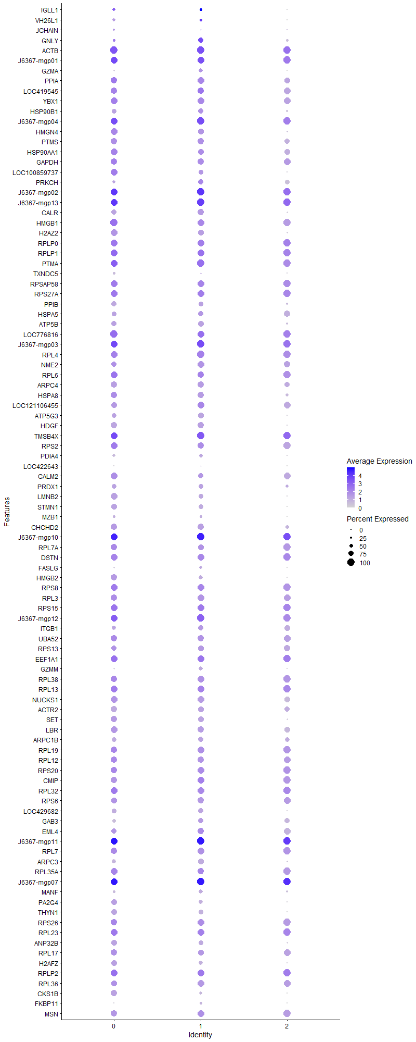
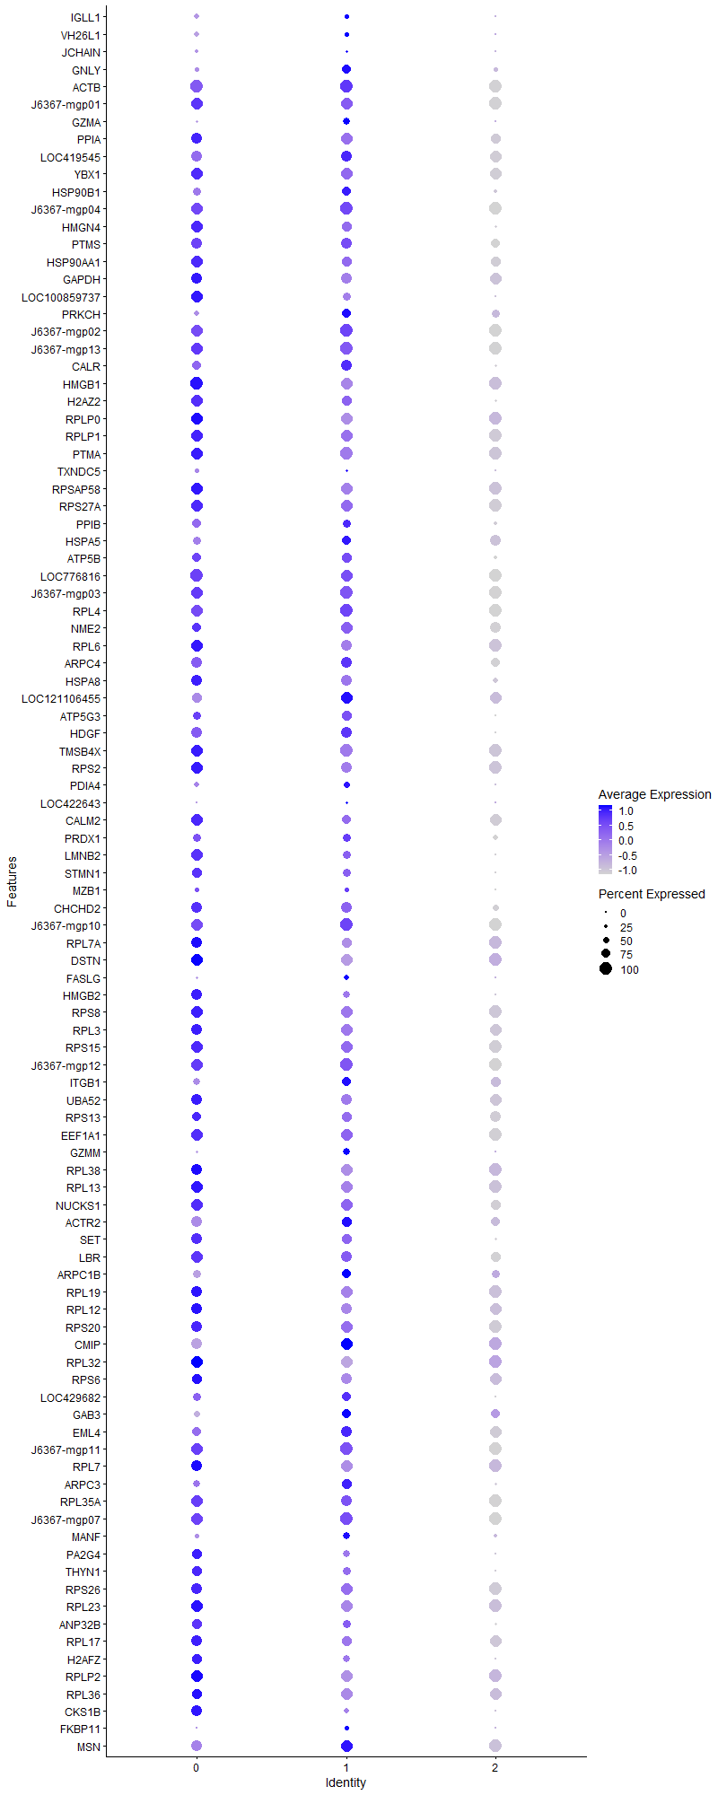
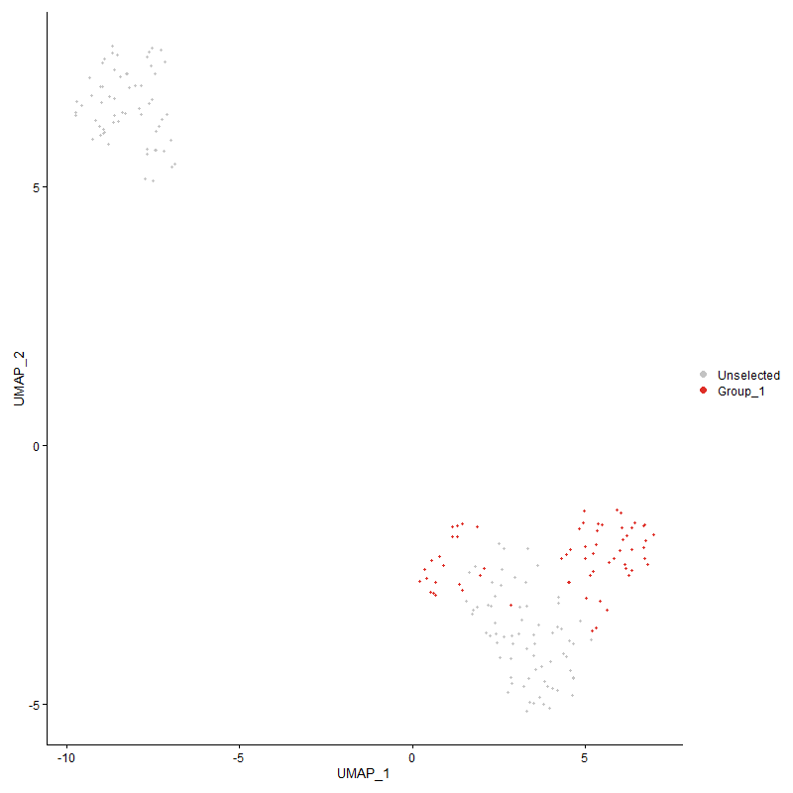
 | p_val | avg_log2FC | pct.1 | pct.2 | p_val_adj | cluster | gene
IGLL11 | 2.4580267353E-05 | 5.5867815803 | 0.323 | 0.168 | 0.37536526275 | 1 | IGLL1
VH26L11 | 0.022674721855 | 4.0665645852 | 0.262 | 0.173 | 1 | 1 | VH26L1
JCHAIN1 | 3.659749747E-79 | 3.2778973023 | 0.185 | 0.005 | 5.5888038386E-75 | 1 | JCHAIN
GNLY1 | 7.7272740134E-43 | 3.1969262254 | 0.692 | 0.152 | 1.1800320146E-38 | 1 | GNLY
ACTB1 | 1.182231928E-28 | 2.0933086578 | 1 | 0.687 | 1.8053863773E-24 | 1 | ACTB
J6367-mgp011 | 6.7869205871E-26 | 1.6979469331 | 0.985 | 0.879 | 1.0364306429E-21 | 1 | J6367-mgp01
GZMA | 1.1873480921E-103 | 1.6419830761 | 0.523 | 0.034 | 1.8131992714E-99 | 1 | GZMA
PPIA1 | 3.0181934196E-31 | 1.5404921148 | 0.877 | 0.355 | 4.609083171E-27 | 1 | PPIA
LOC4195451 | 1.4355974955E-16 | 1.4085422286 | 0.815 | 0.519 | 2.1923009353E-12 | 1 | LOC419545
YBX11 | 3.059444696E-35 | 1.407907028 | 0.938 | 0.379 | 4.6720779953E-31 | 1 | YBX1
HSP90B11 | 1.0513327923E-16 | 1.3578231593 | 0.6 | 0.236 | 1.6054903071E-12 | 1 | HSP90B1
J6367-mgp041 | 1.641962019E-24 | 1.3239192868 | 1 | 0.975 | 2.5074401992E-20 | 1 | J6367-mgp04
HMGN41 | 5.3540133537E-31 | 1.2992121915 | 0.754 | 0.226 | 8.1761137925E-27 | 1 | HMGN4
PTMS1 | 1.8365474703E-26 | 1.2842296167 | 0.769 | 0.29 | 2.8045916419E-22 | 1 | PTMS
HSP90AA11 | 1.5705100924E-18 | 1.2621084806 | 0.723 | 0.343 | 2.3983259621E-14 | 1 | HSP90AA1
GAPDH1 | 4.9914143129E-28 | 1.256090361 | 0.831 | 0.335 | 7.6223887972E-24 | 1 | GAPDH
LOC1008597371 | 2.8416050173E-22 | 1.2521785135 | 0.6 | 0.188 | 4.3394150218E-18 | 1 | LOC100859737
PRKCH | 8.5016571528E-20 | 1.2327518499 | 0.708 | 0.252 | 1.2982880638E-15 | 1 | PRKCH
J6367-mgp021 | 3.3318913081E-23 | 1.2243071666 | 1 | 0.995 | 5.0881312166E-19 | 1 | J6367-mgp02
J6367-mgp131 | 8.1420940056E-21 | 1.1853558006 | 1 | 0.996 | 1.2433791756E-16 | 1 | J6367-mgp13
CALR1 | 1.253746737E-31 | 1.1830091816 | 0.769 | 0.233 | 1.9145966421E-27 | 1 | CALR
HMGB11 | 6.4722764264E-22 | 1.1556135226 | 0.877 | 0.503 | 9.8838133308E-18 | 1 | HMGB1
H2AZ21 | 1.409243219E-47 | 1.1524642151 | 0.708 | 0.132 | 2.1520553198E-43 | 1 | H2AZ2
RPLP01 | 6.1184247365E-23 | 1.1401643461 | 0.985 | 0.602 | 9.3434464151E-19 | 1 | RPLP0
RPLP11 | 5.644866833E-16 | 1.1140951427 | 0.923 | 0.686 | 8.6202761407E-12 | 1 | RPLP1
PTMA1 | 2.0840665795E-20 | 1.0851705947 | 0.954 | 0.79 | 3.1825780735E-16 | 1 | PTMA
TXNDC51 | 5.5329438373E-13 | 1.0569114481 | 0.185 | 0.032 | 8.4493585339E-09 | 1 | TXNDC5
RPSAP581 | 8.7805369673E-17 | 1.0469387904 | 0.831 | 0.545 | 1.3408758003E-12 | 1 | RPSAP58
RPS27A1 | 1.3501893817E-18 | 1.0428653074 | 0.923 | 0.616 | 2.0618742049E-14 | 1 | RPS27A
PPIB1 | 5.3493579138E-17 | 1.0345902308 | 0.615 | 0.213 | 8.1690044702E-13 | 1 | PPIB
HSPA51 | 4.1134639231E-12 | 1.0095189486 | 0.662 | 0.298 | 6.2816707569E-08 | 1 | HSPA5
ATP5B1 | 2.578047325E-40 | 1.008167406 | 0.754 | 0.176 | 3.9369360701E-36 | 1 | ATP5B
LOC7768161 | 1.9654520515E-13 | 1.0066806418 | 0.985 | 0.784 | 3.0014418279E-09 | 1 | LOC776816
J6367-mgp031 | 3.2037884914E-22 | 0.99940917536 | 1 | 0.989 | 4.8925054053E-18 | 1 | J6367-mgp03
RPL41 | 3.5739553759E-19 | 0.99278829332 | 1 | 0.616 | 5.4577872545E-15 | 1 | RPL4
NME21 | 4.0331076985E-27 | 0.99198405942 | 0.877 | 0.351 | 6.1589587663E-23 | 1 | NME2
RPL61 | 2.8814477486E-14 | 0.9871766514 | 0.831 | 0.591 | 4.4002588569E-10 | 1 | RPL6
ARPC41 | 2.2762288388E-28 | 0.98121762855 | 0.8 | 0.284 | 3.4760290598E-24 | 1 | ARPC4
HSPA81 | 6.3900203041E-29 | 0.96657543715 | 0.8 | 0.256 | 9.7582000064E-25 | 1 | HSPA8
LOC1211064551 | 3.8001765819E-16 | 0.96126215103 | 0.846 | 0.437 | 5.8032496582E-12 | 1 | LOC121106455
ATP5G31 | 1.0889090932E-42 | 0.95766155488 | 0.708 | 0.14 | 1.6628730763E-38 | 1 | ATP5G3
HDGF1 | 4.2688860389E-33 | 0.95434610176 | 0.769 | 0.203 | 6.51901587E-29 | 1 | HDGF
TMSB4X1 | 1.9766888284E-11 | 0.9526738204 | 0.938 | 0.899 | 3.0186015098E-07 | 1 | TMSB4X
RPS22 | 2.8979167916E-15 | 0.945715549 | 0.815 | 0.479 | 4.4254087324E-11 | 1 | RPS2
PDIA41 | 2.2698897778E-13 | 0.93129913974 | 0.385 | 0.116 | 3.4663486797E-09 | 1 | PDIA4
LOC422643 | 0 | 0.93054636761 | 0.185 | 0.001 | 0 | 1 | LOC422643
CALM21 | 4.6897182426E-08 | 0.90733809061 | 0.615 | 0.37 | 0.00071616687283 | 1 | CALM2
PRDX11 | 3.2112554856E-15 | 0.89261589763 | 0.554 | 0.205 | 4.9039082521E-11 | 1 | PRDX1
LMNB21 | 3.4685599158E-37 | 0.87904121292 | 0.554 | 0.1 | 5.2968378475E-33 | 1 | LMNB2
STMN11 | 6.0124788452E-40 | 0.86139511783 | 0.569 | 0.094 | 9.1816564446E-36 | 1 | STMN1
MZB11 | 8.1271226525E-10 | 0.850975046 | 0.246 | 0.065 | 1.2410929003E-05 | 1 | MZB1
CHCHD21 | 2.3468861047E-23 | 0.85092257436 | 0.738 | 0.258 | 3.5839297706E-19 | 1 | CHCHD2
J6367-mgp101 | 3.0631634741E-16 | 0.84684575617 | 1 | 0.999 | 4.6777569413E-12 | 1 | J6367-mgp10
RPL7A1 | 1.8866367909E-13 | 0.84442542928 | 0.815 | 0.449 | 2.8810830433E-09 | 1 | RPL7A
DSTN1 | 1.0287890704E-15 | 0.84321732211 | 0.969 | 0.66 | 1.5710637895E-11 | 1 | DSTN
FASLG | 7.8294207621E-20 | 0.8428161238 | 0.338 | 0.063 | 1.1956308446E-15 | 1 | FASLG
HMGB21 | 4.8963813711E-37 | 0.83933398125 | 0.385 | 0.049 | 7.4772639918E-33 | 1 | HMGB2
RPS81 | 1.5745983313E-13 | 0.83914369879 | 0.923 | 0.579 | 2.4045691117E-09 | 1 | RPS8
RPL33 | 4.2594130288E-17 | 0.83686579373 | 0.831 | 0.409 | 6.5045496362E-13 | 1 | RPL3
RPS151 | 5.7501181211E-15 | 0.83199240371 | 0.954 | 0.706 | 8.7810053828E-11 | 1 | RPS15
J6367-mgp121 | 2.1345481541E-15 | 0.83041938636 | 1 | 0.972 | 3.2596684861E-11 | 1 | J6367-mgp12
ITGB11 | 3.2995530487E-12 | 0.82637128384 | 0.692 | 0.336 | 5.0387474606E-08 | 1 | ITGB1
UBA521 | 1.0205711952E-17 | 0.82464323098 | 0.877 | 0.456 | 1.5585142722E-13 | 1 | UBA52
RPS131 | 1.0056022911E-17 | 0.82240624165 | 0.769 | 0.342 | 1.5356552588E-13 | 1 | RPS13
EEF1A11 | 1.7319814501E-10 | 0.82086780807 | 0.938 | 0.761 | 2.6449088724E-06 | 1 | EEF1A1
GZMM | 9.2335455182E-59 | 0.82068887218 | 0.523 | 0.057 | 1.4100547361E-54 | 1 | GZMM
RPL381 | 1.4593213752E-14 | 0.80568286486 | 0.862 | 0.445 | 2.228529672E-10 | 1 | RPL38
RPL131 | 9.4491257791E-14 | 0.80147818056 | 0.908 | 0.662 | 1.4429759977E-09 | 1 | RPL13
NUCKS11 | 5.4025257017E-15 | 0.80135189622 | 0.738 | 0.353 | 8.250196999E-11 | 1 | NUCKS1
ACTR21 | 1.5987120139E-16 | 0.794809494 | 0.692 | 0.271 | 2.4413931164E-12 | 1 | ACTR2
SET1 | 2.4187892225E-21 | 0.79477042204 | 0.708 | 0.253 | 3.6937330216E-17 | 1 | SET
LBR1 | 7.0217383873E-15 | 0.79399909605 | 0.769 | 0.356 | 1.0722896691E-10 | 1 | LBR
ARPC1B1 | 1.8506276858E-20 | 0.79094313163 | 0.708 | 0.249 | 2.826093539E-16 | 1 | ARPC1B
RPL191 | 2.6761957289E-14 | 0.78248698538 | 0.862 | 0.497 | 4.0868184976E-10 | 1 | RPL19
RPL121 | 3.7938265894E-13 | 0.78015384529 | 0.8 | 0.424 | 5.7935525846E-09 | 1 | RPL12
RPS201 | 1.9141258648E-13 | 0.77621201555 | 0.877 | 0.528 | 2.9230616082E-09 | 1 | RPS20
CMIP | 9.9557128559E-09 | 0.77030670773 | 0.908 | 0.665 | 0.00015203369102 | 1 | CMIP
RPL321 | 4.7176811235E-13 | 0.76769947486 | 0.877 | 0.54 | 7.2043708437E-09 | 1 | RPL32
RPS61 | 6.4687929233E-15 | 0.76695781937 | 0.831 | 0.427 | 9.8784936732E-11 | 1 | RPS6
LOC4296821 | 2.7370996161E-20 | 0.76595293756 | 0.677 | 0.228 | 4.1798248237E-16 | 1 | LOC429682
GAB3 | 6.231904367E-12 | 0.75971297219 | 0.615 | 0.25 | 9.5167411588E-08 | 1 | GAB3
EML41 | 3.6793319013E-14 | 0.75069969073 | 0.815 | 0.398 | 5.6187077464E-10 | 1 | EML4
J6367-mgp111 | 2.3441922368E-15 | 0.7490030916 | 1 | 1 | 3.5798159648E-11 | 1 | J6367-mgp11
RPL71 | 1.6863255445E-15 | 0.74690021861 | 0.892 | 0.478 | 2.5751877391E-11 | 1 | RPL7
ARPC31 | 9.6651559766E-37 | 0.74420545207 | 0.677 | 0.143 | 1.4759659692E-32 | 1 | ARPC3
RPL35A1 | 7.5785909311E-09 | 0.7404121274 | 0.831 | 0.562 | 0.00011573266211 | 1 | RPL35A
J6367-mgp071 | 9.8841854413E-14 | 0.73975181507 | 1 | 1 | 1.5094139587E-09 | 1 | J6367-mgp07
MANF1 | 4.4775938626E-22 | 0.73841434671 | 0.523 | 0.131 | 6.8377335876E-18 | 1 | MANF
PA2G41 | 3.9853881877E-20 | 0.73752317391 | 0.446 | 0.107 | 6.0860863015E-16 | 1 | PA2G4
THYN11 | 8.201733823E-51 | 0.73644850042 | 0.569 | 0.076 | 1.2524867721E-46 | 1 | THYN1
RPS261 | 4.2979757505E-12 | 0.7299874133 | 0.923 | 0.531 | 6.5634387687E-08 | 1 | RPS26
RPL231 | 9.5013013796E-13 | 0.72493519523 | 0.923 | 0.649 | 1.4509437337E-08 | 1 | RPL23
ANP32B1 | 1.1955415409E-17 | 0.72270403519 | 0.615 | 0.215 | 1.8257114871E-13 | 1 | ANP32B
RPL171 | 1.2809872819E-13 | 0.7224815826 | 0.8 | 0.412 | 1.9561956782E-09 | 1 | RPL17
H2AFZ1 | 1.1528194453E-31 | 0.72215635081 | 0.4 | 0.06 | 1.7604705749E-27 | 1 | H2AFZ
RPLP21 | 6.6204741102E-10 | 0.71644836923 | 0.892 | 0.709 | 1.0110126014E-05 | 1 | RPLP2
RPL361 | 1.5721862986E-17 | 0.71641202403 | 0.862 | 0.401 | 2.4008856965E-13 | 1 | RPL36
CKS1B1 | 1.321524785E-265 | 0.71602476417 | 0.415 | 0.007 | 2.0181004991E-261 | 1 | CKS1B
FKBP11 | 3.1195887427E-17 | 0.71252658886 | 0.246 | 0.041 | 4.763923969E-13 | 1 | FKBP11
MSN1 | 1.6815436644E-11 | 0.70912445996 | 0.846 | 0.597 | 2.5678853298E-07 | 1 | MSN
RPL311 | 2.4970461945E-10 | 0.70838541889 | 0.723 | 0.382 | 3.8132392436E-06 | 1 | RPL31
MBNL11 | 3.2240058893E-13 | 0.70528415473 | 0.877 | 0.493 | 4.9233793935E-09 | 1 | MBNL1
OST41 | 4.9355954065E-19 | 0.69708088455 | 0.631 | 0.206 | 7.5371477452E-15 | 1 | OST4
ATP10A | 4.6639326021E-21 | 0.69388096754 | 0.631 | 0.169 | 7.1222914766E-17 | 1 | ATP10A
RHOA1 | 5.802711864E-15 | 0.68847265919 | 0.862 | 0.425 | 8.8613212875E-11 | 1 | RHOA
DIAPH31 | 6.7529268267E-70 | 0.68340454866 | 0.185 | 0.006 | 1.0312394557E-65 | 1 | DIAPH3
HDLBP1 | 6.1614458568E-09 | 0.68198046367 | 0.415 | 0.165 | 9.4091439679E-05 | 1 | HDLBP
RPS271 | 4.8742996881E-09 | 0.68082469091 | 0.908 | 0.748 | 7.4435430537E-05 | 1 | RPS27
RPL10A1 | 5.3251511572E-12 | 0.67824060516 | 0.769 | 0.419 | 8.1320383321E-08 | 1 | RPL10A
SCIN | 6.1125572338E-13 | 0.67632313339 | 0.523 | 0.189 | 9.3344861518E-09 | 1 | SCIN
EEF1G1 | 5.9228340141E-16 | 0.66984945482 | 0.908 | 0.482 | 9.044759823E-12 | 1 | EEF1G
RPL351 | 1.3095031793E-10 | 0.66964972192 | 0.831 | 0.524 | 1.9997423052E-06 | 1 | RPL35
PGAM11 | 1.3634534412E-22 | 0.66590484635 | 0.554 | 0.14 | 2.08212975E-18 | 1 | PGAM1
PDIA31 | 7.7009997028E-21 | 0.66160516081 | 0.692 | 0.227 | 1.1760196646E-16 | 1 | PDIA3
GNG21 | 3.8314046603E-30 | 0.65764389386 | 0.538 | 0.107 | 5.8509380567E-26 | 1 | GNG2
FLNB1 | 1.3382898915E-07 | 0.65586219608 | 0.585 | 0.332 | 0.0020437024934 | 1 | FLNB
SERP11 | 2.4801737531E-10 | 0.65536067787 | 0.431 | 0.159 | 3.7874733383E-06 | 1 | SERP1
NPM11 | 3.2320004063E-11 | 0.65351953534 | 0.769 | 0.439 | 4.9355878205E-07 | 1 | NPM1
ARHGDIA1 | 4.3460982767E-20 | 0.65298986786 | 0.554 | 0.16 | 6.6369266783E-16 | 1 | ARHGDIA
RPL26L11 | 1.3011993082E-10 | 0.6529080978 | 0.815 | 0.488 | 1.9870614635E-06 | 1 | RPL26L1
NCL1 | 8.7149774633E-12 | 0.65198361367 | 0.769 | 0.436 | 1.3308642084E-07 | 1 | NCL
ATP5D1 | 2.0933721546E-20 | 0.65166524709 | 0.6 | 0.179 | 3.1967886173E-16 | 1 | ATP5D
UHRF11 | 2.5181296354E-54 | 0.65054751549 | 0.415 | 0.039 | 3.8454357662E-50 | 1 | UHRF1
RPL27A1 | 3.0664262408E-14 | 0.64826450075 | 0.892 | 0.449 | 4.6827395124E-10 | 1 | RPL27A
RAC21 | 1.94015965E-09 | 0.6479578734 | 0.538 | 0.253 | 2.9628178015E-05 | 1 | RAC2
RPL211 | 4.1783309511E-10 | 0.6475734317 | 0.969 | 0.716 | 6.3807291954E-06 | 1 | RPL21
FKBP1A1 | 2.3225889786E-28 | 0.64553691422 | 0.508 | 0.101 | 3.5468256292E-24 | 1 | FKBP1A
COX6A11 | 3.9455108289E-14 | 0.64373177166 | 0.6 | 0.239 | 6.0251895868E-10 | 1 | COX6A1
ASPM1 | 1.3633422573E-109 | 0.64359766879 | 0.369 | 0.015 | 2.0819599611E-105 | 1 | ASPM
CD8A | 9.0207146426E-29 | 0.64023849927 | 0.431 | 0.072 | 1.3775533331E-24 | 1 | CD8A
UQCRHL1 | 3.5400713139E-44 | 0.63964546551 | 0.523 | 0.073 | 5.4060429035E-40 | 1 | UQCRHL
EIF5A21 | 5.5225869519E-16 | 0.63904657755 | 0.646 | 0.244 | 8.4335425342E-12 | 1 | EIF5A2
EZH21 | 1.290535478E-09 | 0.6383618189 | 0.523 | 0.23 | 1.9707767284E-05 | 1 | EZH2
COX5A1 | 5.8109759869E-26 | 0.6378251052 | 0.554 | 0.125 | 8.8739414296E-22 | 1 | COX5A
J6367-mgp061 | 2.4904651858E-12 | 0.63547245992 | 1 | 0.975 | 3.8031893852E-08 | 1 | J6367-mgp06
SMC21 | 6.700414403E-291 | 0.63119739113 | 0.385 | 0.006 | 1.0232202835E-286 | 1 | SMC2
LDHB1 | 7.6663340951E-33 | 0.63093346507 | 0.477 | 0.079 | 1.1707258797E-28 | 1 | LDHB
CDH11 | 9.1731148888E-99 | 0.63046636502 | 0.138 | 0.002 | 1.4008263747E-94 | 1 | CDH11
ACTR31 | 6.0070098912E-12 | 0.63036885577 | 0.8 | 0.421 | 9.1733048049E-08 | 1 | ACTR3
GZMK | 2.0210259093E-90 | 0.62996920579 | 0.415 | 0.024 | 3.0863086661E-86 | 1 | GZMK
LOC1070564131 | 3.0917628377E-14 | 0.62737747663 | 0.846 | 0.416 | 4.7214310294E-10 | 1 | LOC107056413
DAD1 | 7.0662040559E-14 | 0.61956402768 | 0.308 | 0.073 | 1.0790800214E-09 | 1 | DAD1
CAP11 | 8.0736644448E-13 | 0.61926171971 | 0.631 | 0.276 | 1.2329292974E-08 | 1 | CAP1
SSR2 | 8.7893600414E-09 | 0.61821504904 | 0.4 | 0.157 | 0.00013422231719 | 1 | SSR2
GNAI31 | 6.6262253198E-15 | 0.61772391998 | 0.569 | 0.203 | 1.0118908686E-10 | 1 | GNAI3
EEF1B21 | 1.9897384952E-13 | 0.61766081972 | 0.815 | 0.403 | 3.0385296561E-09 | 1 | EEF1B2
CAPZA11 | 4.6701248082E-21 | 0.6175137374 | 0.508 | 0.127 | 7.1317475946E-17 | 1 | CAPZA1
PKLR1 | 5.7189874043E-14 | 0.61587254528 | 0.554 | 0.199 | 8.7334656652E-10 | 1 | PKLR
RPL91 | 1.3457000431E-11 | 0.61496258436 | 0.754 | 0.404 | 2.0550185359E-07 | 1 | RPL9
KPNB11 | 4.3678079329E-27 | 0.61441557357 | 0.585 | 0.134 | 6.6700794943E-23 | 1 | KPNB1
FAS1 | 1.8623521793E-26 | 0.6142758106 | 0.538 | 0.114 | 2.8439980129E-22 | 1 | FAS
RPL81 | 8.8771982399E-10 | 0.61406006935 | 0.846 | 0.573 | 1.3556369432E-05 | 1 | RPL8
MIF1 | 1.3806907457E-14 | 0.6131535733 | 0.385 | 0.104 | 2.1084528378E-10 | 1 | MIF
RDX1 | 1.0165531866E-13 | 0.61296105738 | 0.677 | 0.282 | 1.5523783712E-09 | 1 | RDX
RPL36A1 | 5.169096259E-10 | 0.61262229175 | 0.862 | 0.515 | 7.8937268971E-06 | 1 | RPL36A
RPS4Y11 | 1.0982201709E-11 | 0.61249731275 | 0.846 | 0.435 | 1.6770920229E-07 | 1 | RPS4Y1
J6367-mgp081 | 5.3795274389E-12 | 0.60268380905 | 1 | 0.999 | 8.215076352E-08 | 1 | J6367-mgp08
RPS171 | 5.050602939E-10 | 0.60000736305 | 0.892 | 0.65 | 7.7127757481E-06 | 1 | RPS17
ATP5L1 | 5.2847503506E-19 | 0.59963881718 | 0.615 | 0.197 | 8.0703422604E-15 | 1 | ATP5L
J6367-mgt041 | 2.3086247491E-15 | 0.59929328341 | 0.646 | 0.247 | 3.5255008543E-11 | 1 | J6367-mgt04
SNRPD11 | 2.7898178019E-20 | 0.59800817567 | 0.538 | 0.146 | 4.2603307653E-16 | 1 | SNRPD1
RPL241 | 3.7591516816E-10 | 0.59498506997 | 0.908 | 0.543 | 5.740600533E-06 | 1 | RPL24
VDAC21 | 4.2643206184E-23 | 0.5924884257 | 0.631 | 0.17 | 6.5120440164E-19 | 1 | VDAC2
RPS251 | 1.5103828061E-10 | 0.59240260429 | 0.785 | 0.451 | 2.3065055832E-06 | 1 | RPS25
SRSF21 | 4.7393005099E-26 | 0.58869096095 | 0.554 | 0.127 | 7.2373858086E-22 | 1 | SRSF2
RPL141 | 5.411645133E-10 | 0.58740458472 | 0.815 | 0.511 | 8.2641232826E-06 | 1 | RPL14
RRBP1 | 4.0286263241E-34 | 0.58623372198 | 0.369 | 0.047 | 6.1521152595E-30 | 1 | RRBP1
RPL111 | 6.4914080642E-09 | 0.58547032536 | 0.785 | 0.456 | 9.9130292549E-05 | 1 | RPL11
LSP1P11 | 6.3539376333E-08 | 0.58243607058 | 0.692 | 0.418 | 0.00097030981599 | 1 | LSP1P1
RPL371 | 1.2937169074E-07 | 0.58243007647 | 0.769 | 0.489 | 0.0019756350893 | 1 | RPL37
TSPAN171 | 4.5019956021E-16 | 0.57961617641 | 0.646 | 0.22 | 6.8749974839E-12 | 1 | TSPAN17
RPL37A1 | 3.9385221014E-10 | 0.57951521596 | 0.938 | 0.644 | 6.014517101E-06 | 1 | RPL37A
EIF4G21 | 9.245520406E-10 | 0.57773392852 | 0.769 | 0.423 | 1.4118834212E-05 | 1 | EIF4G2
RPS31 | 7.2185647901E-11 | 0.5738159081 | 0.862 | 0.539 | 1.1023470291E-06 | 1 | RPS3
RPS231 | 9.8414509994E-09 | 0.56930421493 | 0.831 | 0.502 | 0.00015028879821 | 1 | RPS23
PSMB51 | 4.8711217273E-13 | 0.56531931856 | 0.585 | 0.24 | 7.4386899898E-09 | 1 | PSMB5
HMGN51 | 1.9958004677E-31 | 0.56511624366 | 0.446 | 0.072 | 3.0477868943E-27 | 1 | HMGN5
ATP5I1 | 1.8529656687E-22 | 0.56417512908 | 0.431 | 0.09 | 2.8296638727E-18 | 1 | ATP5I
HN11 | 2.6800154681E-15 | 0.56331562283 | 0.462 | 0.136 | 4.0926516213E-11 | 1 | HN1
RPL341 | 7.3476656565E-10 | 0.5606382102 | 0.846 | 0.533 | 1.1220620224E-05 | 1 | RPL34
TPM41 | 8.5791731017E-12 | 0.55837592478 | 0.477 | 0.176 | 1.3101255244E-07 | 1 | TPM4
TPM31 | 1.5318046166E-12 | 0.55611649968 | 0.862 | 0.46 | 2.3392188301E-08 | 1 | TPM3
ZBTB38 | 3.0653006703E-13 | 0.55466679954 | 0.415 | 0.124 | 4.6810206536E-09 | 1 | ZBTB38
RPS241 | 8.9335745935E-09 | 0.55427619645 | 0.862 | 0.605 | 0.00013642461762 | 1 | RPS24
RPS281 | 4.6036594863E-08 | 0.55367610166 | 0.954 | 0.695 | 0.00070302484015 | 1 | RPS28
RACK11 | 6.8983698934E-10 | 0.55193522736 | 0.862 | 0.517 | 1.0534500664E-05 | 1 | RACK1
KIF111 | 5.7928122105E-72 | 0.55178041958 | 0.262 | 0.012 | 8.8462035266E-68 | 1 | KIF11
C1QBP1 | 1.0282313756E-19 | 0.55073280364 | 0.4 | 0.088 | 1.5702121337E-15 | 1 | C1QBP
CD3D | 5.1067774146E-11 | 0.55053895816 | 0.738 | 0.347 | 7.7985597898E-07 | 1 | CD3D
...

Cluster2
...



