Clustered cells
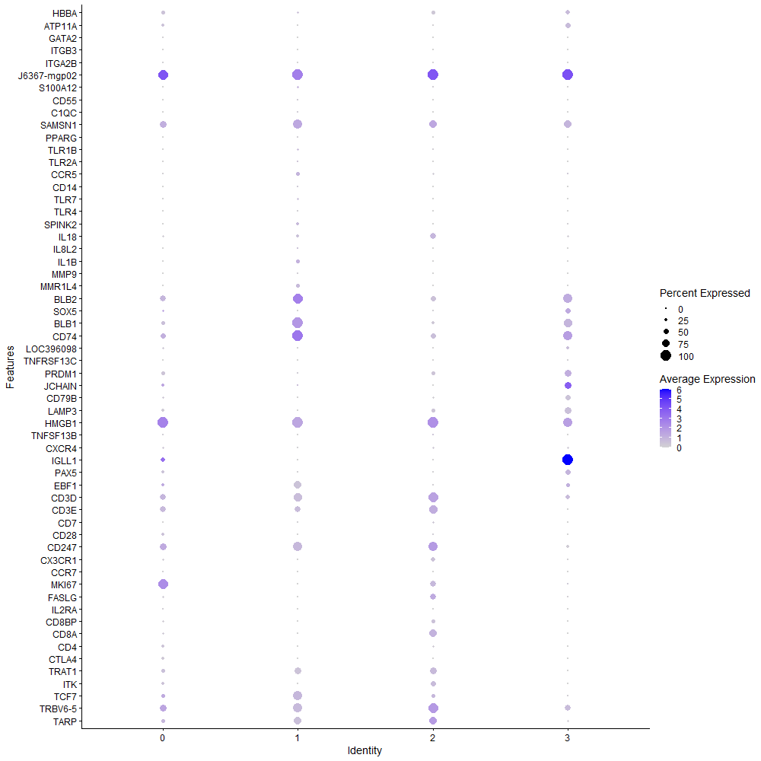
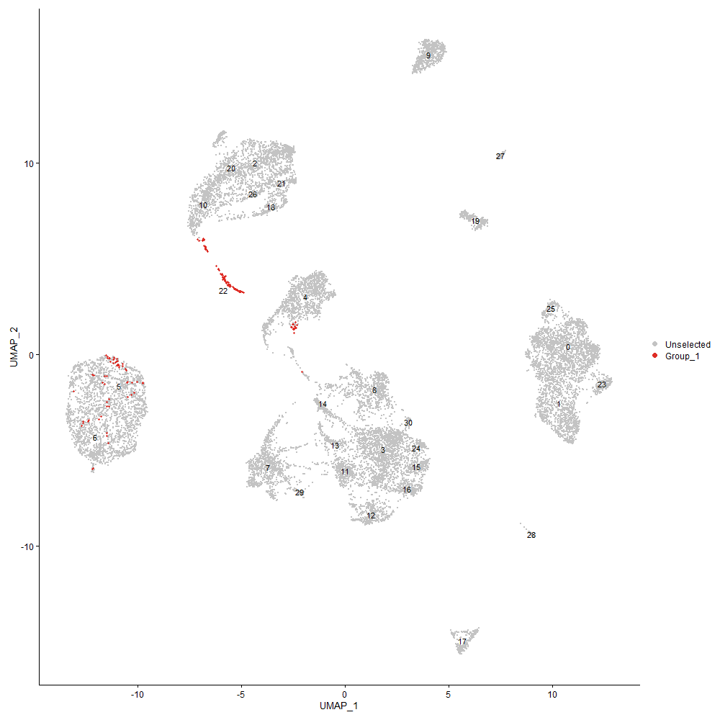
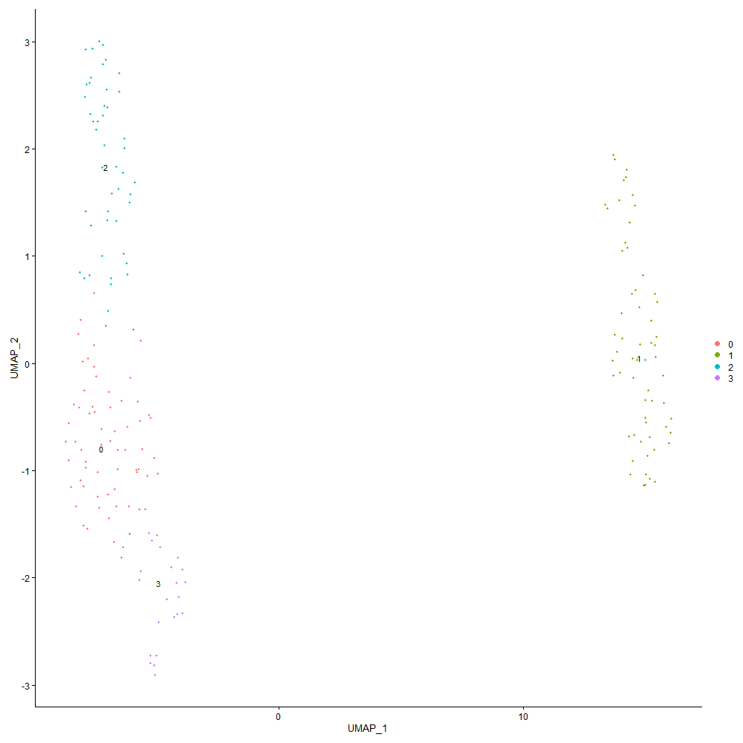

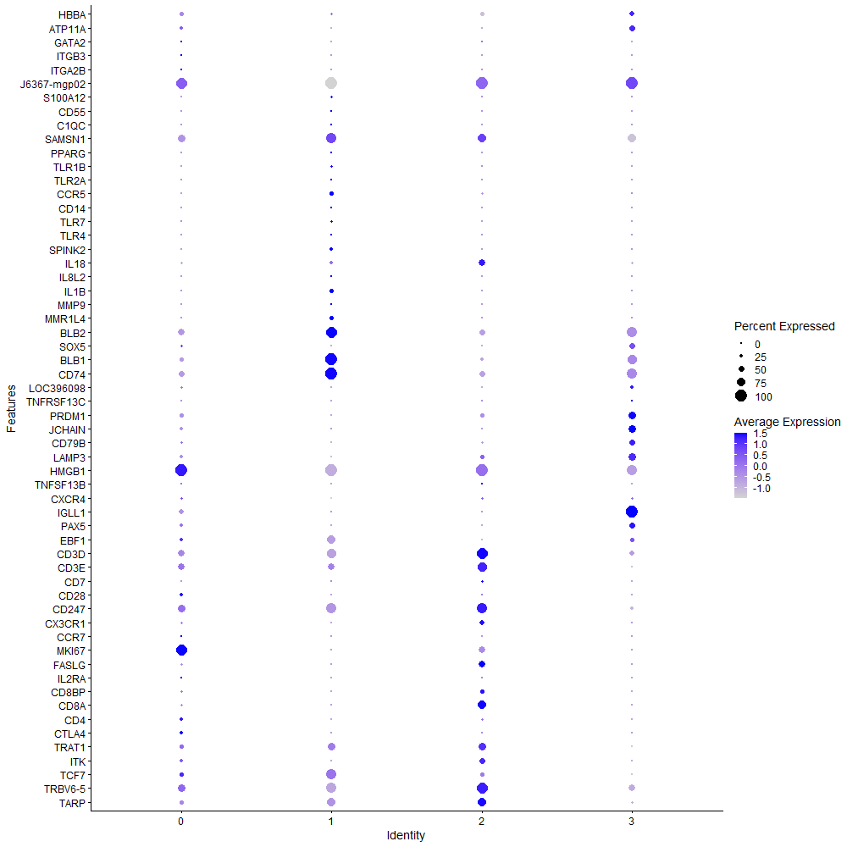
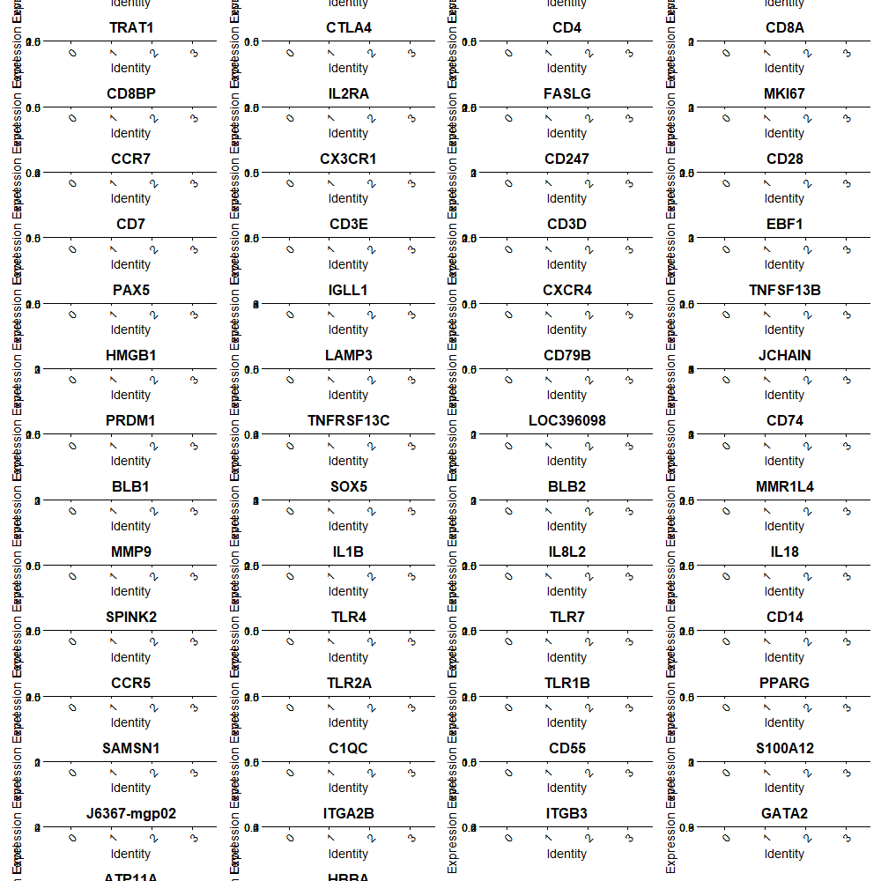

Cluster0
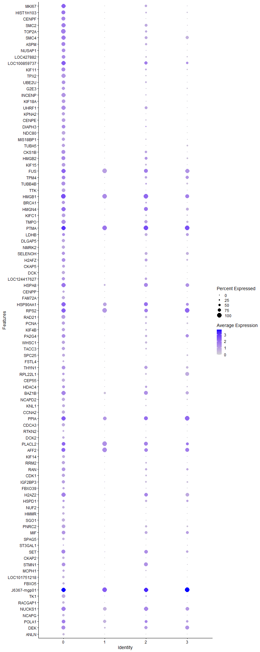
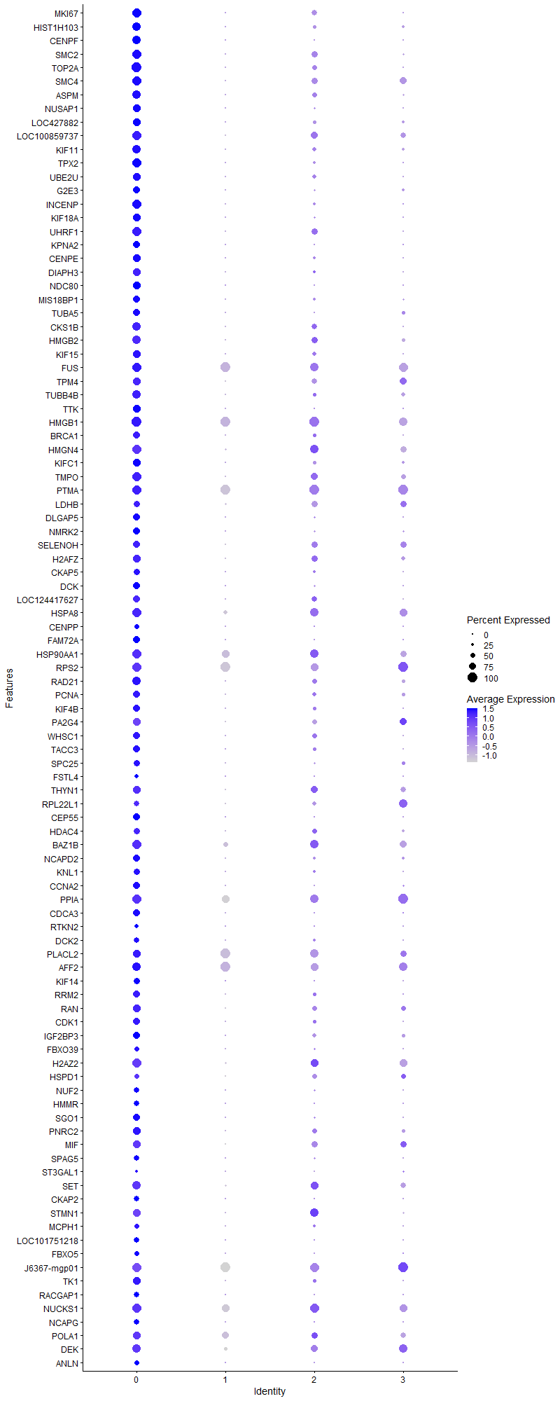
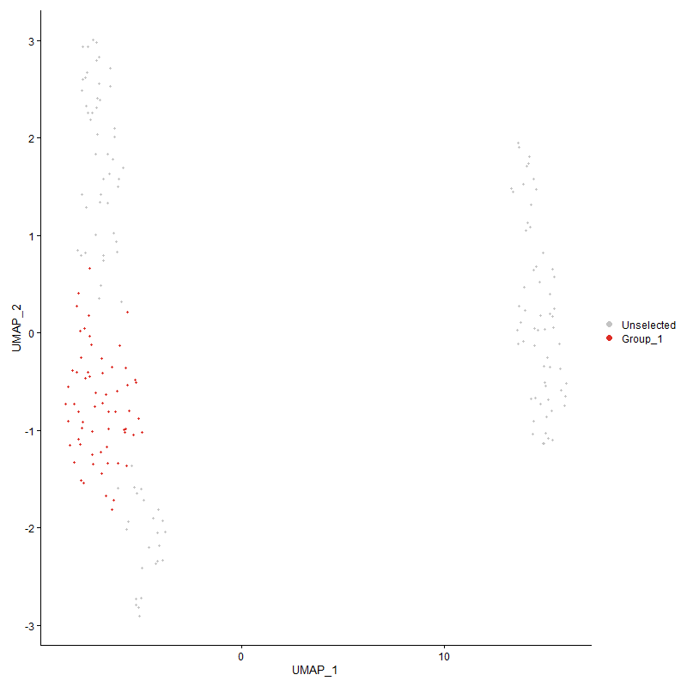
 | p_val | avg_log2FC | pct.1 | pct.2 | p_val_adj | cluster | gene
MKI67 | 2.1475894158E-29 | 2.6815208318 | 0.952 | 0.233 | 3.2795837968E-25 | 0 | MKI67
HIST1H103 | 2.8525079135E-23 | 2.2547326913 | 0.873 | 0.195 | 4.3560648347E-19 | 0 | HIST1H103
CENPF | 9.8172835718E-32 | 2.1816251431 | 0.873 | 0.045 | 1.4991973743E-27 | 0 | CENPF
SMC2 | 2.5915500223E-28 | 1.9236167672 | 0.984 | 0.263 | 3.957556039E-24 | 0 | SMC2
TOP2A | 1.5310133368E-28 | 1.8622738209 | 1 | 0.195 | 2.3380104666E-24 | 0 | TOP2A
SMC4 | 2.1997354832E-22 | 1.8587843385 | 0.952 | 0.383 | 3.3592160564E-18 | 0 | SMC4
ASPM | 2.1084117314E-23 | 1.7744529464 | 0.921 | 0.218 | 3.2197555549E-19 | 0 | ASPM
NUSAP1 | 3.2902799644E-25 | 1.7493797645 | 0.81 | 0.075 | 5.0245865337E-21 | 0 | NUSAP1
LOC427882 | 2.2390154747E-21 | 1.7154324326 | 0.825 | 0.18 | 3.4192005315E-17 | 0 | LOC427882
LOC100859737 | 3.917393421E-16 | 1.6813023181 | 0.952 | 0.406 | 5.9822514933E-12 | 0 | LOC100859737
KIF11 | 1.1427792764E-19 | 1.5933041348 | 0.857 | 0.233 | 1.7451382329E-15 | 0 | KIF11
TPX2 | 1.3869477626E-29 | 1.5340672795 | 0.937 | 0.105 | 2.1180079283E-25 | 0 | TPX2
UBE2U | 3.538412654E-21 | 1.482757038 | 0.841 | 0.173 | 5.4035099639E-17 | 0 | UBE2U
G2E3 | 1.6716588112E-21 | 1.4478405919 | 0.762 | 0.098 | 2.5527901707E-17 | 0 | G2E3
INCENP | 1.3126098948E-26 | 1.4247339979 | 0.937 | 0.128 | 2.0044865703E-22 | 0 | INCENP
KIF18A | 1.3476907101E-23 | 1.4073101373 | 0.778 | 0.068 | 2.0580584834E-19 | 0 | KIF18A
UHRF1 | 7.5537949287E-21 | 1.3918179611 | 0.984 | 0.263 | 1.1535400236E-16 | 0 | UHRF1
KPNA2 | 7.7506116516E-23 | 1.3510210064 | 0.714 | 0.045 | 1.1835959053E-18 | 0 | KPNA2
CENPE | 7.3853104742E-24 | 1.3363145076 | 0.825 | 0.098 | 1.1278107625E-19 | 0 | CENPE
DIAPH3 | 6.4674042034E-18 | 1.3195037563 | 0.778 | 0.12 | 9.876372959E-14 | 0 | DIAPH3
NDC80 | 1.176866339E-32 | 1.2679734556 | 0.841 | 0.015 | 1.7971925862E-28 | 0 | NDC80
MIS18BP1 | 7.707490298E-19 | 1.2418273139 | 0.746 | 0.128 | 1.1770108434E-14 | 0 | MIS18BP1
TUBA5 | 1.2113252587E-20 | 1.240477209 | 0.746 | 0.105 | 1.8498148026E-16 | 0 | TUBA5
CKS1B | 1.5332472108E-16 | 1.23395279 | 0.873 | 0.241 | 2.3414218156E-12 | 0 | CKS1B
HMGB2 | 1.1959256611E-15 | 1.2236501104 | 0.889 | 0.316 | 1.826298077E-11 | 0 | HMGB2
KIF15 | 1.3942990349E-18 | 1.2232004275 | 0.794 | 0.165 | 2.1292340562E-14 | 0 | KIF15
FUS | 1.8887744363E-11 | 1.2201048494 | 0.937 | 0.962 | 2.8843474417E-07 | 0 | FUS
TPM4 | 2.2016477328E-09 | 1.2168763335 | 0.81 | 0.391 | 3.3621362527E-05 | 0 | TPM4
TUBB4B | 3.252458925E-19 | 1.2024498829 | 0.857 | 0.226 | 4.9668300243E-15 | 0 | TUBB4B
TTK | 1.4875352028E-24 | 1.1979119757 | 0.778 | 0.053 | 2.2716150082E-20 | 0 | TTK
HMGB1 | 7.4403606259E-14 | 1.1867788579 | 1 | 0.977 | 1.1362174712E-09 | 0 | HMGB1
BRCA1 | 3.2206587458E-16 | 1.181096005 | 0.746 | 0.143 | 4.9182679707E-12 | 0 | BRCA1
HMGN4 | 5.9099985929E-14 | 1.1751012001 | 0.984 | 0.526 | 9.0251588512E-10 | 0 | HMGN4
KIFC1 | 2.6608469376E-17 | 1.160938853 | 0.794 | 0.188 | 4.0633793585E-13 | 0 | KIFC1
TMPO | 1.7310016794E-16 | 1.1563075075 | 0.937 | 0.391 | 2.6434126647E-12 | 0 | TMPO
PTMA | 3.3542254147E-14 | 1.1356411379 | 0.968 | 1 | 5.1222376308E-10 | 0 | PTMA
LDHB | 4.4919083689E-05 | 1.1056942459 | 0.683 | 0.406 | 0.68595932701 | 0 | LDHB
DLGAP5 | 7.4909970286E-22 | 1.0969856154 | 0.762 | 0.068 | 1.1439501562E-17 | 0 | DLGAP5
NMRK2 | 1.0369570828E-20 | 1.0877176668 | 0.746 | 0.113 | 1.5835371612E-16 | 0 | NMRK2
SELENOH | 2.3120363161E-11 | 1.078002512 | 0.746 | 0.353 | 3.5307106584E-07 | 0 | SELENOH
H2AFZ | 4.0116749827E-13 | 1.0664145377 | 0.841 | 0.338 | 6.1262288661E-09 | 0 | H2AFZ
CKAP5 | 1.2218298071E-14 | 1.0603005103 | 0.667 | 0.128 | 1.8658562984E-10 | 0 | CKAP5
DCK | 5.9524607773E-22 | 1.0573922323 | 0.698 | 0.053 | 9.090002853E-18 | 0 | DCK
LOC124417627 | 1.059081881E-11 | 1.0516511851 | 0.746 | 0.233 | 1.6173239405E-07 | 0 | LOC124417627
HSPA8 | 1.0479903293E-06 | 1.0382015039 | 0.937 | 0.662 | 0.016003860319 | 0 | HSPA8
CENPP | 6.9322280094E-14 | 1.0379250726 | 0.508 | 0.053 | 1.0586205393E-09 | 0 | CENPP
FAM72A | 3.5063189632E-23 | 1.0361823363 | 0.698 | 0.038 | 5.3544996887E-19 | 0 | FAM72A
HSP90AA1 | 1.4966938673E-05 | 1.0258797809 | 0.968 | 0.805 | 0.22856012047 | 0 | HSP90AA1
RPS2 | 0.00030819883021 | 1.017402501 | 0.952 | 0.94 | 1 | 0 | RPS2
RAD21 | 5.9313825535E-16 | 1.0172484809 | 0.873 | 0.278 | 9.0578142975E-12 | 0 | RAD21
PCNA | 1.1603864747E-11 | 1.0142266016 | 0.698 | 0.226 | 1.7720261856E-07 | 0 | PCNA
KIF4B | 3.866845482E-14 | 1.0092897619 | 0.698 | 0.15 | 5.9050597355E-10 | 0 | KIF4B
PA2G4 | 1.0122610128E-10 | 0.99458650381 | 0.825 | 0.353 | 1.5458237927E-06 | 0 | PA2G4
WHSC1 | 1.0715651938E-14 | 0.99158776018 | 0.746 | 0.226 | 1.6363872074E-10 | 0 | WHSC1
TACC3 | 6.275168397E-15 | 0.98543639327 | 0.746 | 0.173 | 9.582809659E-11 | 0 | TACC3
SPC25 | 1.9860734289E-16 | 0.98367512945 | 0.683 | 0.105 | 3.0329327333E-12 | 0 | SPC25
FSTL4 | 6.0830875266E-13 | 0.97997042904 | 0.413 | 0.023 | 9.2894829619E-09 | 0 | FSTL4
THYN1 | 5.2236402963E-12 | 0.97973849569 | 0.841 | 0.376 | 7.9770210964E-08 | 0 | THYN1
RPL22L1 | 6.348268974E-05 | 0.96064556136 | 0.571 | 0.323 | 0.96944415501 | 0 | RPL22L1
CEP55 | 7.6203888664E-24 | 0.958162742 | 0.698 | 0.03 | 1.1637095838E-19 | 0 | CEP55
HDAC4 | 8.387281947E-08 | 0.95583064201 | 0.667 | 0.263 | 0.0012808218261 | 0 | HDAC4
BAZ1B | 2.2026437157E-13 | 0.94390961641 | 0.952 | 0.684 | 3.3636572182E-09 | 0 | BAZ1B
NCAPD2 | 6.8530107449E-17 | 0.94049898825 | 0.714 | 0.143 | 1.0465232709E-12 | 0 | NCAPD2
KNL1 | 3.1995496403E-16 | 0.94049898825 | 0.667 | 0.105 | 4.8860322558E-12 | 0 | KNL1
CCNA2 | 4.7517941412E-19 | 0.93664666276 | 0.714 | 0.09 | 7.2564648331E-15 | 0 | CCNA2
PPIA | 0.00010979604947 | 0.93654097468 | 0.937 | 0.872 | 1 | 0 | PPIA
CDCA3 | 7.8727103304E-21 | 0.93564958859 | 0.714 | 0.06 | 1.2022415946E-16 | 0 | CDCA3
RTKN2 | 4.8330889707E-13 | 0.93526233989 | 0.444 | 0.038 | 7.3806101671E-09 | 0 | RTKN2
DCK2 | 4.0425867013E-13 | 0.92913912609 | 0.587 | 0.105 | 6.1734341515E-09 | 0 | DCK2
PLACL2 | 0.00081514105446 | 0.92899256287 | 0.825 | 0.887 | 1 | 0 | PLACL2
AFF2 | 3.0551363331E-05 | 0.9282553925 | 0.873 | 0.895 | 0.46654986943 | 0 | AFF2
KIF14 | 1.5269455639E-18 | 0.924923182 | 0.635 | 0.045 | 2.3317985706E-14 | 0 | KIF14
RRM2 | 1.7059646411E-13 | 0.92235164154 | 0.698 | 0.15 | 2.6051786034E-09 | 0 | RRM2
RAN | 1.5178602134E-10 | 0.91717971767 | 0.825 | 0.338 | 2.3179243318E-06 | 0 | RAN
CDK1 | 3.2300290462E-14 | 0.91706629379 | 0.714 | 0.143 | 4.9325773564E-10 | 0 | CDK1
IGF2BP3 | 3.0234549588E-11 | 0.90987975319 | 0.746 | 0.271 | 4.6171180675E-07 | 0 | IGF2BP3
FBXO39 | 2.2394502023E-10 | 0.90918344779 | 0.524 | 0.113 | 3.4198644039E-06 | 0 | FBXO39
H2AZ2 | 6.4611513251E-11 | 0.90663409369 | 0.937 | 0.519 | 9.8668241885E-07 | 0 | H2AZ2
HSPD1 | 0.00042795612019 | 0.90645923216 | 0.508 | 0.286 | 1 | 0 | HSPD1
NUF2 | 1.1189321033E-17 | 0.905535316 | 0.603 | 0.053 | 1.708721215E-13 | 0 | NUF2
HMMR | 1.6847772687E-17 | 0.90291580544 | 0.571 | 0.038 | 2.572823367E-13 | 0 | HMMR
SGO1 | 8.0681811747E-22 | 0.89676219733 | 0.714 | 0.053 | 1.2320919472E-17 | 0 | SGO1
PNRC2 | 6.4885375004E-14 | 0.89289110674 | 0.825 | 0.271 | 9.9086456168E-10 | 0 | PNRC2
MIF | 1.4047493836E-08 | 0.88862514789 | 0.794 | 0.361 | 0.00021451927837 | 0 | MIF
SPAG5 | 5.5681394489E-17 | 0.88096566494 | 0.587 | 0.053 | 8.5031057524E-13 | 0 | SPAG5
ST3GAL1 | 3.8918751974E-06 | 0.88096566494 | 0.238 | 0.03 | 0.059432826139 | 0 | ST3GAL1
SET | 1.7234400492E-09 | 0.87993942003 | 0.905 | 0.496 | 2.6318652992E-05 | 0 | SET
CKAP2 | 1.9132495564E-20 | 0.87478819235 | 0.603 | 0.023 | 2.9217233976E-16 | 0 | CKAP2
STMN1 | 1.6002897947E-10 | 0.8626134784 | 0.825 | 0.346 | 2.4438025455E-06 | 0 | STMN1
MCPH1 | 2.1740008029E-10 | 0.86168460507 | 0.492 | 0.09 | 3.319916626E-06 | 0 | MCPH1
LOC101751218 | 2.8614498381E-19 | 0.85212110458 | 0.603 | 0.038 | 4.3697200478E-15 | 0 | LOC101751218
FBXO5 | 4.8755347672E-15 | 0.83326892291 | 0.524 | 0.045 | 7.445429143E-11 | 0 | FBXO5
J6367-mgp01 | 1.5646030535E-07 | 0.8326131319 | 0.984 | 0.992 | 0.002389305323 | 0 | J6367-mgp01
TK1 | 3.3867837195E-18 | 0.82561535037 | 0.81 | 0.15 | 5.1719574181E-14 | 0 | TK1
RACGAP1 | 4.3996335937E-21 | 0.81713594285 | 0.556 | 0 | 6.7186804609E-17 | 0 | RACGAP1
NUCKS1 | 7.9231372234E-11 | 0.81362543968 | 0.968 | 0.85 | 1.2099422854E-06 | 0 | NUCKS1
NCAPG | 3.195730926E-18 | 0.80670049018 | 0.603 | 0.045 | 4.8802006971E-14 | 0 | NCAPG
POLA1 | 8.42741019E-06 | 0.80077422458 | 0.841 | 0.662 | 0.12869498101 | 0 | POLA1
DEK | 2.029660254E-08 | 0.79138128585 | 0.905 | 0.549 | 0.00030994941739 | 0 | DEK
ANLN | 8.4667969072E-18 | 0.79090440128 | 0.476 | 0 | 1.2929645557E-13 | 0 | ANLN
YBX1 | 7.9923672895E-07 | 0.78786548403 | 0.968 | 0.955 | 0.012205144088 | 0 | YBX1
IKZF2 | 0.0044923742702 | 0.78217817105 | 0.206 | 0.068 | 1 | 0 | IKZF2
ARHGAP11B | 9.6878724657E-13 | 0.77924040169 | 0.444 | 0.038 | 1.4794350042E-08 | 0 | ARHGAP11B
NCAPD3 | 6.0630881115E-18 | 0.77769722881 | 0.635 | 0.06 | 9.2589418551E-14 | 0 | NCAPD3
CIT | 3.6398952969E-14 | 0.77700025597 | 0.556 | 0.06 | 5.5584841079E-10 | 0 | CIT
J6367-mgp09 | 2.2005585255E-10 | 0.77445294643 | 0.762 | 0.293 | 3.3604729242E-06 | 0 | J6367-mgp09
MACROD2 | 0.0024753179301 | 0.77197204399 | 0.635 | 0.677 | 1 | 0 | MACROD2
UHRF2 | 5.3067578667E-11 | 0.76730167254 | 0.635 | 0.188 | 8.1039499382E-07 | 0 | UHRF2
FDPS | 5.9354279619E-07 | 0.76561818978 | 0.651 | 0.301 | 0.0090639920406 | 0 | FDPS
J6367-mgp13 | 7.6069302711E-07 | 0.76533080098 | 0.984 | 1 | 0.011616543217 | 0 | J6367-mgp13
PLK4 | 1.4094430567E-16 | 0.76336690968 | 0.635 | 0.075 | 2.1523604918E-12 | 0 | PLK4
PCLAF | 8.2165297281E-11 | 0.76081233612 | 0.556 | 0.135 | 1.2547462548E-06 | 0 | PCLAF
C1QBP | 3.2672684564E-06 | 0.76061357673 | 0.698 | 0.338 | 0.049894456598 | 0 | C1QBP
HSPE1 | 0.0034634258902 | 0.75939477541 | 0.476 | 0.316 | 1 | 0 | HSPE1
TMSB4X | 0.0014922559972 | 0.75933579919 | 0.968 | 1 | 1 | 0 | TMSB4X
PSMA2 | 1.4479318688E-11 | 0.75806571493 | 0.746 | 0.233 | 2.2111367568E-07 | 0 | PSMA2
ATF7IP | 6.968268262E-05 | 0.75468118181 | 0.714 | 0.654 | 1 | 0 | ATF7IP
SNRPE | 1.1146927755E-07 | 0.75421407509 | 0.651 | 0.278 | 0.0017022473374 | 0 | SNRPE
RFC5 | 2.0424936E-09 | 0.75405807152 | 0.667 | 0.241 | 3.1190919766E-05 | 0 | RFC5
CENPC | 4.9101048827E-13 | 0.75150168732 | 0.651 | 0.135 | 7.4982211664E-09 | 0 | CENPC
SPTAN1 | 1.0183742558E-08 | 0.75129991179 | 0.762 | 0.383 | 0.00015551593261 | 0 | SPTAN1
RPL6 | 0.00063181810596 | 0.75126199174 | 0.968 | 0.932 | 1 | 0 | RPL6
ICOS | 6.7301866479E-06 | 0.74475910389 | 0.365 | 0.105 | 0.1027766803 | 0 | ICOS
CCNB1 | 9.7972802212E-15 | 0.74313536141 | 0.524 | 0.053 | 1.4961426626E-10 | 0 | CCNB1
J6367-mgp12 | 1.5317494143E-06 | 0.74200101507 | 0.952 | 1 | 0.023391345305 | 0 | J6367-mgp12
CENPN | 1.4394624324E-17 | 0.73561031455 | 0.556 | 0.03 | 2.1982030806E-13 | 0 | CENPN
HIST1H2BO | 4.8362931141E-12 | 0.73561031455 | 0.476 | 0.06 | 7.3855032146E-08 | 0 | HIST1H2BO
MRPL12 | 1.9299331803E-07 | 0.73430379444 | 0.714 | 0.361 | 0.0029472009597 | 0 | MRPL12
IPO7 | 1.9457575237E-09 | 0.73108003765 | 0.905 | 0.383 | 2.9713663145E-05 | 0 | IPO7
NCAPG2 | 4.4905950576E-18 | 0.72910736951 | 0.524 | 0.015 | 6.8575877125E-14 | 0 | NCAPG2
SNRPF | 2.5886030752E-07 | 0.72678011032 | 0.635 | 0.293 | 0.0039530557562 | 0 | SNRPF
CCT8 | 2.2530548813E-10 | 0.72589626845 | 0.587 | 0.158 | 3.4406401093E-06 | 0 | CCT8
GPSM2 | 2.2407131374E-15 | 0.72143741544 | 0.492 | 0.03 | 3.4217930322E-11 | 0 | GPSM2
EIF5A2 | 1.4743815787E-05 | 0.71818698246 | 0.762 | 0.436 | 0.22515281089 | 0 | EIF5A2
CDCA2 | 6.1187764332E-16 | 0.7078908836 | 0.508 | 0.03 | 9.3439834912E-12 | 0 | CDCA2
LMNB2 | 9.4541137432E-10 | 0.70740629208 | 0.968 | 0.398 | 1.4437377097E-05 | 0 | LMNB2
KNTC1 | 3.6544112523E-11 | 0.70716481663 | 0.54 | 0.113 | 5.5806514234E-07 | 0 | KNTC1
MICAL3 | 5.3210063274E-06 | 0.70495910139 | 0.429 | 0.143 | 0.081257087626 | 0 | MICAL3
HMGN5 | 2.1589205066E-09 | 0.70249337691 | 0.841 | 0.383 | 3.2968875056E-05 | 0 | HMGN5
ENO1 | 0.00022676531119 | 0.70226797342 | 0.889 | 0.895 | 1 | 0 | ENO1
RTTN | 3.221865968E-07 | 0.70224500038 | 0.476 | 0.15 | 0.0049201115197 | 0 | RTTN
EZH2 | 1.8636414487E-07 | 0.70185402612 | 0.937 | 0.677 | 0.0028459668564 | 0 | EZH2
ARID1B | 9.3397829239E-05 | 0.70125349745 | 0.857 | 0.962 | 1 | 0 | ARID1B
KNSTRN | 1.6370033054E-12 | 0.6975787678 | 0.556 | 0.09 | 2.4998677476E-08 | 0 | KNSTRN
TMA7 | 3.3042444577E-07 | 0.69591543452 | 0.667 | 0.301 | 0.0050459117113 | 0 | TMA7
SFPQ | 7.5024227097E-10 | 0.69492177949 | 0.889 | 0.391 | 1.145694972E-05 | 0 | SFPQ
BIRC5 | 3.3145235311E-12 | 0.6930850011 | 0.587 | 0.098 | 5.0616088843E-08 | 0 | BIRC5
BUB1B | 7.2388035376E-10 | 0.69164776743 | 0.524 | 0.113 | 1.1054376882E-05 | 0 | BUB1B
FAM168A | 1.3411891328E-08 | 0.69153416492 | 0.667 | 0.241 | 0.00020481299247 | 0 | FAM168A
DNAJC9 | 1.3654452529E-11 | 0.68872810879 | 0.54 | 0.105 | 2.0851714458E-07 | 0 | DNAJC9
RPS8 | 0.0012673552531 | 0.68345818459 | 0.968 | 0.977 | 1 | 0 | RPS8
CBX3 | 4.6264409085E-08 | 0.6832849971 | 0.651 | 0.278 | 0.00070650379114 | 0 | CBX3
NUDT16L1 | 3.5160478862E-07 | 0.68303063578 | 0.762 | 0.346 | 0.005369356727 | 0 | NUDT16L1
MAPK4 | 1.8379988101E-05 | 0.68235399783 | 0.762 | 0.496 | 0.28068079829 | 0 | MAPK4
CCT4 | 9.4044466634E-08 | 0.68124374644 | 0.635 | 0.263 | 0.00143615305 | 0 | CCT4
CDK2 | 4.1076256642E-11 | 0.67819952642 | 0.603 | 0.158 | 6.2727551518E-07 | 0 | CDK2
CD28 | 1.1773573954E-06 | 0.67626183534 | 0.286 | 0.045 | 0.017979424785 | 0 | CD28
PSIP1 | 3.7061929952E-10 | 0.67590406843 | 0.873 | 0.391 | 5.659727323E-06 | 0 | PSIP1
J6367-mgp03 | 1.6864253337E-06 | 0.66723395549 | 0.952 | 1 | 0.025753401271 | 0 | J6367-mgp03
SLX4IP | 5.2070966295E-11 | 0.65950115742 | 0.413 | 0.045 | 7.9517572629E-07 | 0 | SLX4IP
KIF23 | 1.7023103595E-15 | 0.6593983977 | 0.444 | 0.008 | 2.5995981501E-11 | 0 | KIF23
TRIM24 | 3.6388140176E-09 | 0.65374648269 | 0.476 | 0.098 | 5.5568328863E-05 | 0 | TRIM24
ECT2 | 2.3826569705E-11 | 0.65298092415 | 0.429 | 0.038 | 3.6385554596E-07 | 0 | ECT2
GTSE1 | 2.2748556243E-12 | 0.65207669658 | 0.333 | 0 | 3.4739320238E-08 | 0 | GTSE1
PTMS | 1.3176140135E-06 | 0.65102069224 | 0.937 | 0.782 | 0.020121283601 | 0 | PTMS
SRSF3 | 6.8927379447E-09 | 0.65036497594 | 0.889 | 0.444 | 0.00010525900115 | 0 | SRSF3
PBK | 9.8706252373E-12 | 0.64954449696 | 0.476 | 0.06 | 1.50734318E-07 | 0 | PBK
MRPS21 | 4.3243329097E-08 | 0.64888982751 | 0.746 | 0.346 | 0.00066036887863 | 0 | MRPS21
RANGAP1 | 3.8507326888E-10 | 0.64769825607 | 0.762 | 0.271 | 5.8804538891E-06 | 0 | RANGAP1
SUMO2 | 2.8167281122E-08 | 0.64736815767 | 0.778 | 0.338 | 0.00043014255002 | 0 | SUMO2
PGK2 | 2.0022111703E-07 | 0.64278713078 | 0.635 | 0.248 | 0.0030575766782 | 0 | PGK2
LOC107049545 | 0.00027893290571 | 0.63742992062 | 0.698 | 0.459 | 1 | 0 | LOC107049545
ANP32B | 8.5329510882E-06 | 0.63608662905 | 0.81 | 0.444 | 0.13030669607 | 0 | ANP32B
FOXP1 | 0.0053651252446 | 0.63551695453 | 0.937 | 1 | 1 | 0 | FOXP1
PRC1 | 2.2765501037E-15 | 0.63439586053 | 0.476 | 0.023 | 3.4765196633E-11 | 0 | PRC1
RBBP4 | 2.482193792E-08 | 0.63413233051 | 0.794 | 0.406 | 0.00037905581397 | 0 | RBBP4
PCGF5 | 3.6260580719E-07 | 0.63183511528 | 0.667 | 0.338 | 0.0055373532816 | 0 | PCGF5
JADE1 | 8.9906228701E-09 | 0.63054353503 | 0.46 | 0.098 | 0.00013729580185 | 0 | JADE1
CALM2 | 3.8121767224E-07 | 0.62889433663 | 0.937 | 0.85 | 0.0058215750727 | 0 | CALM2
BUB1 | 1.2168499428E-12 | 0.62768953797 | 0.429 | 0.03 | 1.8582515477E-08 | 0 | BUB1
FGGY | 3.415672896E-07 | 0.62343664854 | 0.381 | 0.083 | 0.0052160740794 | 0 | FGGY
HJURP | 2.2448796504E-12 | 0.62280788625 | 0.619 | 0.113 | 3.4281557141E-08 | 0 | HJURP
IFI27L2 | 1.8132635994E-05 | 0.62162421734 | 0.46 | 0.18 | 0.27690348426 | 0 | IFI27L2
NDUFA13 | 7.6426253712E-09 | 0.62007919987 | 0.889 | 0.436 | 0.00011671053204 | 0 | NDUFA13
ATP5L | 1.3475863077E-05 | 0.61797755795 | 0.857 | 0.489 | 0.20578990504 | 0 | ATP5L
NPM1 | 0.00053070865281 | 0.6179552778 | 0.937 | 0.91 | 1 | 0 | NPM1
MIS18A | 4.4397061718E-13 | 0.61589675907 | 0.397 | 0.015 | 6.779875295E-09 | 0 | MIS18A
ATP5G3 | 0.0032176300493 | 0.61526827069 | 0.667 | 0.459 | 1 | 0 | ATP5G3
PTTG2 | 2.3634951239E-07 | 0.61475591968 | 0.349 | 0.068 | 0.0036092934038 | 0 | PTTG2
SNRPD1 | 1.276058982E-07 | 0.61206411442 | 0.825 | 0.383 | 0.0019486696714 | 0 | SNRPD1
CCAR1 | 7.8461807785E-09 | 0.61168450778 | 0.762 | 0.346 | 0.00011981902667 | 0 | CCAR1
H2AFJ | 6.3721087873E-12 | 0.60923302878 | 0.54 | 0.083 | 9.730847329E-08 | 0 | H2AFJ
JADE3 | 2.1815492165E-05 | 0.60909814074 | 0.508 | 0.211 | 0.33314438085 | 0 | JADE3
PRPF38B | 5.4733988554E-08 | 0.6085172287 | 0.825 | 0.368 | 0.00083584273921 | 0 | PRPF38B
J6367-mgp02 | 8.7017364864E-05 | 0.6085172287 | 0.984 | 1 | 1 | 0 | J6367-mgp02
SNRPGP15 | 2.860468124E-05 | 0.60762197888 | 0.698 | 0.383 | 0.43682208721 | 0 | SNRPGP15
POLD4 | 5.1745887516E-06 | 0.60693097781 | 0.825 | 0.421 | 0.079021144825 | 0 | POLD4
ALYREF | 2.1938682541E-06 | 0.60617898663 | 0.603 | 0.293 | 0.033502562108 | 0 | ALYREF
DUT | 2.2301859658E-07 | 0.60407132367 | 0.587 | 0.233 | 0.0034057169883 | 0 | DUT
TIMM13 | 4.7977759157E-07 | 0.60363087334 | 0.603 | 0.248 | 0.0073266836008 | 0 | TIMM13
ADK | 0.0041418803085 | 0.6033220663 | 0.651 | 0.602 | 1 | 0 | ADK
MTHFD1L | 2.7899549854E-07 | 0.60190348699 | 0.556 | 0.211 | 0.0042605402582 | 0 | MTHFD1L
SUMO3 | 5.0810068054E-08 | 0.60185349842 | 0.73 | 0.316 | 0.00077592054926 | 0 | SUMO3
LIMD2 | 1.1600673825E-09 | 0.5999552152 | 0.556 | 0.143 | 1.7715388998E-05 | 0 | LIMD2
PLK1 | 1.1277913838E-12 | 0.59687582226 | 0.365 | 0.008 | 1.7222502222E-08 | 0 | PLK1
PSME4 | 0.0011354056344 | 0.5951381989 | 0.651 | 0.556 | 1 | 0 | PSME4
AHI1 | 4.3117499401E-10 | 0.59448527484 | 0.429 | 0.053 | 6.5844733336E-06 | 0 | AHI1
J6367-mgp04 | 2.5847087773E-05 | 0.59302379636 | 0.952 | 1 | 0.39471087738 | 0 | J6367-mgp04
TCTN3 | 4.8874885093E-06 | 0.59257568483 | 0.571 | 0.271 | 0.074636837026 | 0 | TCTN3
MTFR2 | 1.1935502415E-10 | 0.59055651719 | 0.413 | 0.045 | 1.8226705738E-06 | 0 | MTFR2
PRIM2 | 7.2770282115E-06 | 0.58971603069 | 0.635 | 0.286 | 0.11112749782 | 0 | PRIM2
DBI | 0.00040853115185 | 0.58906689905 | 0.667 | 0.429 | 1 | 0 | DBI
LOC112530378 | 0.00011918003558 | 0.5867544461 | 0.238 | 0.053 | 1 | 0 | LOC112530378
NCL | 0.00070023324104 | 0.58473984542 | 0.952 | 0.88 | 1 | 0 | NCL
P2RX5 | 9.7414211631E-13 | 0.58459394917 | 0.492 | 0.053 | 1.4876124258E-08 | 0 | P2RX5
CDK5RAP2 | 0.00066680634586 | 0.58353054523 | 0.635 | 0.459 | 1 | 0 | CDK5RAP2
CHAF1A | 4.2564618754E-10 | 0.58279466404 | 0.508 | 0.105 | 6.5000429299E-06 | 0 | CHAF1A
PCMT1 | 7.3577690787E-11 | 0.58230734938 | 0.429 | 0.053 | 1.123604916E-06 | 0 | PCMT1
UBA52 | 0.0013960865453 | 0.57972406976 | 0.937 | 0.917 | 1 | 0 | UBA52
PTGES3 | 1.7472006872E-06 | 0.57843150251 | 0.667 | 0.301 | 0.026681501694 | 0 | PTGES3
CENPH | 8.4253370583E-14 | 0.57807611514 | 0.508 | 0.053 | 1.2866332222E-09 | 0 | CENPH
RBL1 | 1.3744897327E-09 | 0.57757352149 | 0.603 | 0.165 | 2.0989832708E-05 | 0 | RBL1
PAK3 | 4.7827989916E-08 | 0.57738928102 | 0.667 | 0.241 | 0.000730381234 | 0 | PAK3
SPDL1 | 3.9350213492E-09 | 0.57710427607 | 0.46 | 0.09 | 6.0091711024E-05 | 0 | SPDL1
HP1BP3 | 2.2259201881E-08 | 0.57550217147 | 0.619 | 0.211 | 0.00033992027192 | 0 | HP1BP3
TCP1 | 0.00017422606172 | 0.57483410244 | 0.492 | 0.263 | 1 | 0 | TCP1
HIST1H110 | 6.1214709798E-09 | 0.5746784803 | 0.413 | 0.068 | 9.3480983333E-05 | 0 | HIST1H110
KIAA0753 | 1.9517064733E-11 | 0.56939089741 | 0.381 | 0.023 | 2.9804509554E-07 | 0 | KIAA0753
SHCBP1 | 8.0256822508E-15 | 0.56780777968 | 0.476 | 0.023 | 1.2256019365E-10 | 0 | SHCBP1
HMGB3 | 1.5162619278E-10 | 0.56666287442 | 0.714 | 0.241 | 2.31548359E-06 | 0 | HMGB3
UQCR10 | 6.9102742103E-05 | 0.5653542161 | 0.587 | 0.316 | 1 | 0 | UQCR10
NHP2 | 1.3458199347E-07 | 0.56466293911 | 0.571 | 0.203 | 0.0020552016223 | 0 | NHP2
HYPK | 5.1103023513E-05 | 0.56453105365 | 0.54 | 0.308 | 0.78039427207 | 0 | HYPK
HNRNPAB | 1.3679994664E-06 | 0.56412310934 | 0.857 | 0.474 | 0.020890719851 | 0 | HNRNPAB
CNTLN | 1.5418882771E-09 | 0.56187888761 | 0.254 | 0 | 2.354617588E-05 | 0 | CNTLN
ANP32A | 4.0526495074E-06 | 0.5604679388 | 0.714 | 0.331 | 0.061888010628 | 0 | ANP32A
DSN1 | 4.4666403535E-12 | 0.55897428146 | 0.444 | 0.045 | 6.8210064838E-08 | 0 | DSN1
CCT2 | 0.00020113548993 | 0.55862835291 | 0.46 | 0.233 | 1 | 0 | CCT2
CDC45 | 6.6216898856E-11 | 0.55799545312 | 0.524 | 0.09 | 1.0111982624E-06 | 0 | CDC45
ATAD5 | 1.1374018946E-08 | 0.5571703487 | 0.524 | 0.135 | 0.00017369264332 | 0 | ATAD5
EIF5B | 3.6897476554E-06 | 0.55665611058 | 0.762 | 0.376 | 0.056346136446 | 0 | EIF5B
MRPL51 | 8.7314155468E-11 | 0.55657566813 | 0.794 | 0.293 | 1.3333744681E-06 | 0 | MRPL51
CD4 | 1.1796415393E-05 | 0.55630490474 | 0.27 | 0.053 | 0.18014305946 | 0 | CD4
ADH4 | 2.3410377326E-09 | 0.55384329034 | 0.492 | 0.105 | 3.5749987214E-05 | 0 | ADH4
NDUFB4 | 2.439854365E-06 | 0.55098736049 | 0.556 | 0.218 | 0.037259016009 | 0 | NDUFB4
HDGFRP3 | 5.6305748624E-05 | 0.55007095632 | 0.571 | 0.286 | 0.85984508724 | 0 | HDGFRP3
ALDOC | 3.7894558858E-05 | 0.54990234824 | 0.571 | 0.286 | 0.57868780832 | 0 | ALDOC
RPL14 | 0.0047334603017 | 0.54947088158 | 0.968 | 0.947 | 1 | 0 | RPL14
SLIRP | 2.9810394183E-05 | 0.54838304512 | 0.54 | 0.256 | 0.45523452956 | 0 | SLIRP
LOC100857358 | 1.9878787413E-06 | 0.5474877953 | 0.508 | 0.195 | 0.030356896259 | 0 | LOC100857358
CDC20 | 3.2573662789E-07 | 0.54638943587 | 0.349 | 0.068 | 0.0049743240445 | 0 | CDC20
NEK2 | 3.8007546588E-14 | 0.54628203256 | 0.381 | 0 | 5.8041324394E-10 | 0 | NEK2
NCAPH2 | 5.7331046636E-13 | 0.54533451872 | 0.571 | 0.09 | 8.7550241318E-09 | 0 | NCAPH2
LOC419333 | 0.005251590841 | 0.54533451872 | 0.159 | 0.045 | 1 | 0 | LOC419333
RFC1 | 7.2865871052E-09 | 0.54388915278 | 0.825 | 0.323 | 0.00011127347168 | 0 | RFC1
CCT5 | 6.8818396319E-05 | 0.5428435672 | 0.714 | 0.383 | 1 | 0 | CCT5
PARP1 | 6.6770370425E-07 | 0.54156990521 | 0.619 | 0.233 | 0.010196503268 | 0 | PARP1
ATAD2 | 1.0727061216E-07 | 0.54150150024 | 0.524 | 0.158 | 0.0016381295183 | 0 | ATAD2
NDE1 | 1.3356290355E-06 | 0.54082791023 | 0.587 | 0.233 | 0.020396391001 | 0 | NDE1
CCDC50 | 0.0019993002006 | 0.53913642587 | 0.27 | 0.105 | 1 | 0 | CCDC50
CLASP1 | 1.4922209902E-05 | 0.53897629545 | 0.444 | 0.165 | 0.22787706742 | 0 | CLASP1
PSMB5 | 6.9542643347E-06 | 0.53863687772 | 0.889 | 0.549 | 0.10619857065 | 0 | PSMB5
ETS1 | 0.0024265327079 | 0.5385702005 | 0.825 | 0.91 | 1 | 0 | ETS1
C4H4ORF32 | 2.1682742578E-05 | 0.53743413064 | 0.397 | 0.143 | 0.33111716192 | 0 | C4H4ORF32
RANBP1 | 2.6127391745E-05 | 0.53676138871 | 0.603 | 0.331 | 0.39899139934 | 0 | RANBP1
LBR | 1.6024456008E-07 | 0.53568434869 | 0.968 | 0.857 | 0.002447094677 | 0 | LBR
AHCTF1 | 4.2434592977E-08 | 0.53568434869 | 0.429 | 0.098 | 0.00064801866934 | 0 | AHCTF1
POLQ | 1.0471318866E-05 | 0.53455928072 | 0.206 | 0.023 | 0.15990751041 | 0 | POLQ
HOPX | 0.0010436034864 | 0.53455928072 | 0.714 | 0.429 | 1 | 0 | HOPX
BORA | 1.2047945224E-09 | 0.53368199578 | 0.365 | 0.038 | 1.8398417152E-05 | 0 | BORA
ATP5J2 | 0.0003395854464 | 0.52948200725 | 0.635 | 0.391 | 1 | 0 | ATP5J2
SRSF7L | 4.9718237494E-06 | 0.52926019919 | 0.571 | 0.248 | 0.075924720477 | 0 | SRSF7L
RFC2 | 1.1208456313E-07 | 0.52910926599 | 0.508 | 0.158 | 0.0017116433636 | 0 | RFC2
CEP128 | 0.00019165553239 | 0.52910926599 | 0.333 | 0.12 | 1 | 0 | CEP128
LRRC31 | 1.4931128089E-09 | 0.52816823468 | 0.365 | 0.038 | 2.2801325705E-05 | 0 | LRRC31
HN1 | 1.2860492009E-08 | 0.52431147294 | 0.873 | 0.353 | 0.00019639257346 | 0 | HN1
ADNP | 0.00033085926154 | 0.52362833111 | 0.651 | 0.429 | 1 | 0 | ADNP
CENPW | 9.1707151049E-09 | 0.52341366032 | 0.381 | 0.06 | 0.00014004599037 | 0 | CENPW
SSB | 3.5706615016E-06 | 0.522039883 | 0.698 | 0.338 | 0.05452757179 | 0 | SSB
CCT7 | 2.7407542547E-05 | 0.52160916348 | 0.635 | 0.331 | 0.41854058224 | 0 | CCT7
ATP5G2 | 8.8911004266E-06 | 0.52039049943 | 0.714 | 0.361 | 0.13577599461 | 0 | ATP5G2
SLC25A24 | 4.5796804385E-08 | 0.52022484061 | 0.651 | 0.241 | 0.00069936299977 | 0 | SLC25A24
GNPTAB | 8.4962192572E-06 | 0.51688675323 | 0.524 | 0.211 | 0.12974576428 | 0 | GNPTAB
SASS6 | 5.3170060954E-10 | 0.51612362439 | 0.54 | 0.113 | 8.1196000083E-06 | 0 | SASS6
NUDC | 1.4686582999E-06 | 0.51486637373 | 0.492 | 0.173 | 0.022427880898 | 0 | NUDC
IFT20 | 2.0524785943E-07 | 0.51447718194 | 0.524 | 0.165 | 0.0031343400614 | 0 | IFT20
PNN | 3.0995326028E-08 | 0.51286145219 | 0.857 | 0.353 | 0.00047332962377 | 0 | PNN
ACBD4 | 2.3265444277E-11 | 0.5128032661 | 0.508 | 0.083 | 3.5528659956E-07 | 0 | ACBD4
J6367-mgp08 | 5.9752126521E-05 | 0.51264074594 | 0.984 | 1 | 0.9124747241 | 0 | J6367-mgp08
INTS5 | 0.0002063441235 | 0.51214883423 | 0.635 | 0.346 | 1 | 0 | INTS5
NUDT1 | 1.5660971006E-07 | 0.51165568945 | 0.444 | 0.113 | 0.0023915868824 | 0 | NUDT1
EIF5A | 0.00059561963293 | 0.51151267135 | 0.524 | 0.323 | 1 | 0 | EIF5A
MRPL54 | 1.2272485754E-06 | 0.51130221767 | 0.476 | 0.158 | 0.018741312995 | 0 | MRPL54
ZC3H15 | 4.2955692746E-07 | 0.51118735799 | 0.825 | 0.383 | 0.0065597638392 | 0 | ZC3H15
NASP | 2.9141024548E-05 | 0.51118735799 | 0.683 | 0.361 | 0.44501258587 | 0 | NASP
PPID | 9.0653513649E-09 | 0.51096191928 | 0.54 | 0.15 | 0.00013843698069 | 0 | PPID
DDRGK1 | 0.0066690554326 | 0.50995339422 | 0.429 | 0.233 | 1 | 0 | DDRGK1
FKBP3 | 2.1773005232E-07 | 0.50971875243 | 0.603 | 0.226 | 0.003324955629 | 0 | FKBP3
LOC107049862 | 2.6644786881E-09 | 0.50943444953 | 0.619 | 0.173 | 4.0689254047E-05 | 0 | LOC107049862
SMC3 | 2.2941932037E-07 | 0.50905232927 | 0.81 | 0.361 | 0.0035034624414 | 0 | SMC3
DAZAP1 | 6.1764115009E-06 | 0.50878274783 | 0.937 | 0.752 | 0.09431998003 | 0 | DAZAP1
DLG1 | 0.0002289867474 | 0.50739530426 | 0.317 | 0.113 | 1 | 0 | DLG1
SKA2P1 | 6.9819416225E-08 | 0.50711519649 | 0.46 | 0.113 | 0.0010662123052 | 0 | SKA2P1
PPIG | 3.1180524757E-05 | 0.5055852646 | 0.667 | 0.368 | 0.47615779356 | 0 | PPIG
RABL6 | 2.560150544E-06 | 0.50481717906 | 0.556 | 0.218 | 0.039096058957 | 0 | RABL6
LOC121108888 | 0.00011169515411 | 0.50388739352 | 0.778 | 0.444 | 1 | 0 | LOC121108888
J6367-mgp11 | 1.0998698127E-05 | 0.50357181598 | 0.984 | 1 | 0.1679611191 | 0 | J6367-mgp11
J6367-mgp10 | 6.290696644E-05 | 0.50272466139 | 0.984 | 1 | 0.9606522845 | 0 | J6367-mgp10
TKTL1 | 1.7787178051E-07 | 0.50250034053 | 0.778 | 0.346 | 0.0027162799601 | 0 | TKTL1
GRID1 | 0.0012883283381 | 0.50214221839 | 0.143 | 0.023 | 1 | 0 | GRID1
SUPT4H1 | 2.8368499969E-08 | 0.50197313605 | 0.571 | 0.188 | 0.00043321536302 | 0 | SUPT4H1
OXR1 | 7.5746211808E-06 | 0.50181022091 | 0.46 | 0.165 | 0.11567204005 | 0 | OXR1
IWS1 | 2.6711860071E-06 | 0.50094520937 | 0.619 | 0.263 | 0.040791681515 | 0 | IWS1
C14orf2 | 0.0011183661225 | 0.50094520937 | 0.492 | 0.278 | 1 | 0 | C14orf2
RPSAP58 | 0.0086516493601 | 0.50071579502 | 0.984 | 0.985 | 1 | 0 | RPSAP58
PRELID1 | 0.0029261704313 | 0.50069358382 | 0.476 | 0.263 | 1 | 0 | PRELID1
ATP5G1 | 0.0087696334061 | 0.5000264416 | 0.492 | 0.331 | 1 | 0 | ATP5G1
CDV3 | 7.8754289823E-05 | 0.49870876137 | 0.778 | 0.436 | 1 | 0 | CDV3
NCAPH | 4.8354317119E-10 | 0.49811100083 | 0.413 | 0.053 | 7.3841877673E-06 | 0 | NCAPH
PPP4R1L | 1.9006671255E-05 | 0.49811100083 | 0.286 | 0.068 | 0.29025087673 | 0 | PPP4R1L
LIN54 | 2.4494800222E-07 | 0.49771649849 | 0.444 | 0.12 | 0.0037406009419 | 0 | LIN54
PIN4 | 6.196414957E-05 | 0.49715611975 | 0.46 | 0.203 | 0.94625452808 | 0 | PIN4
NDUFB1 | 4.8511028562E-05 | 0.49677273016 | 0.556 | 0.271 | 0.74081191717 | 0 | NDUFB1
CHCHD2 | 0.0045956326195 | 0.49471658909 | 0.825 | 0.707 | 1 | 0 | CHCHD2
SLU7 | 4.4649473445E-09 | 0.49304001128 | 0.444 | 0.083 | 6.8184210898E-05 | 0 | SLU7
MCM5 | 6.4811862176E-06 | 0.49304001128 | 0.476 | 0.158 | 0.098974194729 | 0 | MCM5
GRSF1 | 4.2222054208E-08 | 0.49304001128 | 0.492 | 0.135 | 0.00064477298981 | 0 | GRSF1
PSMA5 | 2.4959111395E-06 | 0.49304001128 | 0.46 | 0.15 | 0.038115059012 | 0 | PSMA5
SLC45A3 | 5.3592651439E-06 | 0.48981611041 | 0.683 | 0.346 | 0.081841338012 | 0 | SLC45A3
SOD1 | 2.7902177097E-06 | 0.48900449804 | 0.571 | 0.233 | 0.042609414645 | 0 | SOD1
ACTR6 | 4.2725852782E-07 | 0.48893561295 | 0.587 | 0.218 | 0.0065246649783 | 0 | ACTR6
HAUS6 | 1.6679656339E-09 | 0.48828648131 | 0.508 | 0.113 | 2.5471503195E-05 | 0 | HAUS6
ABI2 | 1.394126517E-08 | 0.48809079531 | 0.429 | 0.083 | 0.00021289706042 | 0 | ABI2
FUBP1 | 1.685248169E-05 | 0.48739344814 | 0.81 | 0.459 | 0.25735424789 | 0 | FUBP1
LARP1 | 1.5119423343E-05 | 0.48655597771 | 0.73 | 0.361 | 0.23088871388 | 0 | LARP1
CENPA | 6.9576960688E-07 | 0.48462777146 | 0.571 | 0.195 | 0.010625097667 | 0 | CENPA
DDX19 | 0.0010060553456 | 0.48421616089 | 0.635 | 0.444 | 1 | 0 | DDX19
DPF3 | 0.0020927341257 | 0.48410688651 | 0.587 | 0.346 | 1 | 0 | DPF3
FMC1 | 1.6315453635E-06 | 0.48364131328 | 0.46 | 0.158 | 0.024915329247 | 0 | FMC1
HAUS3 | 1.9314871874E-06 | 0.48325899049 | 0.365 | 0.09 | 0.029495740839 | 0 | HAUS3
MINOS1 | 3.4746389532E-05 | 0.48189945367 | 0.571 | 0.286 | 0.53061211454 | 0 | MINOS1
FKBP4 | 2.2184256924E-06 | 0.4807616815 | 0.571 | 0.218 | 0.033877578749 | 0 | FKBP4
EIF1B | 3.0746951822E-06 | 0.48010095557 | 0.54 | 0.226 | 0.046953670127 | 0 | EIF1B
GPRIN3 | 1.1111205175E-05 | 0.47875578527 | 0.651 | 0.338 | 0.16967921422 | 0 | GPRIN3
CEP135 | 4.2473880952E-07 | 0.47824300935 | 0.381 | 0.083 | 0.0064861863602 | 0 | CEP135
PPIL1 | 2.1481142796E-07 | 0.47760997071 | 0.619 | 0.233 | 0.0032803853164 | 0 | PPIL1
SMARCE1 | 1.1124719575E-06 | 0.47709846741 | 0.635 | 0.256 | 0.016988559262 | 0 | SMARCE1
CTLA4 | 2.0027718337E-07 | 0.47692034592 | 0.238 | 0.015 | 0.0030584328673 | 0 | CTLA4
PSMA6 | 2.8333827319E-05 | 0.47533800955 | 0.571 | 0.248 | 0.43268587699 | 0 | PSMA6
NOP56 | 6.3927487364E-05 | 0.47166636049 | 0.635 | 0.323 | 0.97623665954 | 0 | NOP56
MDH1 | 1.6101412574E-05 | 0.47114740543 | 0.492 | 0.211 | 0.24588467142 | 0 | MDH1
PPA1 | 8.8560538672E-05 | 0.47114740543 | 0.476 | 0.211 | 1 | 0 | PPA1
CBX6 | 4.0066222029E-06 | 0.47101370495 | 0.619 | 0.286 | 0.061185127661 | 0 | CBX6
CDCA7L | 7.9043412038E-07 | 0.46988229029 | 0.444 | 0.12 | 0.012070719452 | 0 | CDCA7L
RPL36A | 0.0090979462239 | 0.4696395787 | 0.968 | 0.962 | 1 | 0 | RPL36A
ZMYND8 | 0.00011791337861 | 0.46958103846 | 0.54 | 0.278 | 1 | 0 | ZMYND8
EEF1G | 6.6020935813E-05 | 0.46919326933 | 0.968 | 0.932 | 1 | 0 | EEF1G
ARHGAP15 | 0.0010278995391 | 0.46915625769 | 0.952 | 0.992 | 1 | 0 | ARHGAP15
FAM98B | 3.0268339843E-07 | 0.46895439276 | 0.444 | 0.12 | 0.0046222781774 | 0 | FAM98B
CEP290 | 2.0644171573E-06 | 0.46895439276 | 0.413 | 0.12 | 0.031525714409 | 0 | CEP290
DENND2B | 9.5854880576E-05 | 0.46685607948 | 0.222 | 0.045 | 1 | 0 | DENND2B
DEPDC1B | 1.1734278224E-10 | 0.46566357235 | 0.286 | 0 | 1.7919416275E-06 | 0 | DEPDC1B
CTCF | 5.9784246943E-05 | 0.46234321406 | 0.571 | 0.271 | 0.91296523506 | 0 | CTCF
PIGBOS1 | 1.0436325092E-05 | 0.46085960553 | 0.635 | 0.331 | 0.15937312048 | 0 | PIGBOS1
FOXM1 | 2.8535107151E-11 | 0.46061853359 | 0.349 | 0.015 | 4.357596213E-07 | 0 | FOXM1
ANP32E | 4.9185942382E-07 | 0.46055215853 | 0.825 | 0.383 | 0.0075111852611 | 0 | ANP32E
VPS13C | 7.1944077497E-06 | 0.45943161864 | 0.349 | 0.09 | 0.10986580075 | 0 | VPS13C
IMPDH2 | 0.00046520835054 | 0.45909267936 | 0.444 | 0.226 | 1 | 0 | IMPDH2
RCC1 | 3.3045251521E-09 | 0.45651413526 | 0.381 | 0.053 | 5.0463403598E-05 | 0 | RCC1
USP1 | 1.0697026452E-06 | 0.45651413526 | 0.698 | 0.293 | 0.016335429095 | 0 | USP1
PKLR | 0.006661126362 | 0.4562032431 | 0.762 | 0.541 | 1 | 0 | PKLR
LOC100859629 | 9.4743519432E-08 | 0.45588701286 | 0.635 | 0.211 | 0.0014468282852 | 0 | LOC100859629
KIF2C | 4.4496770285E-12 | 0.45485681739 | 0.349 | 0.008 | 6.7951017902E-08 | 0 | KIF2C
OST4 | 3.947547924E-05 | 0.45469369963 | 0.857 | 0.489 | 0.60283004347 | 0 | OST4
YME1L1 | 0.0017703338335 | 0.45456586347 | 0.413 | 0.211 | 1 | 0 | YME1L1
MED29 | 1.0308066497E-06 | 0.45437839091 | 0.762 | 0.331 | 0.015741448347 | 0 | MED29
EIF3J | 0.00017283496569 | 0.45437839091 | 0.587 | 0.316 | 1 | 0 | EIF3J
RRM1 | 7.4083729263E-09 | 0.45430761679 | 0.492 | 0.113 | 0.00011313326296 | 0 | RRM1
YWHAB | 1.7486741667E-06 | 0.4539704466 | 0.841 | 0.361 | 0.0267040032 | 0 | YWHAB
SLC25A3 | 0.0028555752207 | 0.45351164709 | 0.698 | 0.436 | 1 | 0 | SLC25A3
SLAMF1 | 7.3782262186E-09 | 0.45351164709 | 0.429 | 0.075 | 0.00011267289258 | 0 | SLAMF1
NOP58 | 1.6980312239E-05 | 0.45351164709 | 0.683 | 0.331 | 0.2593063482 | 0 | NOP58
HIST1H111L | 1.2183124596E-07 | 0.45268227366 | 0.381 | 0.075 | 0.0018604849571 | 0 | HIST1H111L
ATP5B | 0.0068653375888 | 0.45239802678 | 0.762 | 0.534 | 1 | 0 | ATP5B
LOC124417249 | 9.6659549256E-05 | 0.44997128939 | 0.175 | 0.023 | 1 | 0 | LOC124417249
FAM207A | 1.2235571621E-05 | 0.44997128939 | 0.476 | 0.173 | 0.18684941422 | 0 | FAM207A
HNRNPA2B1 | 3.4575858224E-05 | 0.44966046421 | 0.952 | 0.872 | 0.52800793094 | 0 | HNRNPA2B1
HINT2 | 0.00011381039084 | 0.44918572169 | 0.413 | 0.158 | 1 | 0 | HINT2
CCDC171 | 4.1464983999E-06 | 0.4485213445 | 0.444 | 0.135 | 0.063321177065 | 0 | CCDC171
LAMTOR2 | 4.5460136651E-07 | 0.44638991798 | 0.825 | 0.376 | 0.006942217468 | 0 | LAMTOR2
ATP5H | 5.1212180998E-06 | 0.44615362365 | 0.571 | 0.241 | 0.078206121602 | 0 | ATP5H
ATPIF1 | 0.00020022057716 | 0.44604253174 | 0.619 | 0.346 | 1 | 0 | ATPIF1
STIP1 | 9.0257389029E-07 | 0.4457342965 | 0.444 | 0.128 | 0.013783205879 | 0 | STIP1
HNRNPU | 8.9731499826E-05 | 0.44526428671 | 0.841 | 0.669 | 1 | 0 | HNRNPU
PSMA7 | 6.1667278274E-05 | 0.44505998238 | 0.619 | 0.293 | 0.94172100653 | 0 | PSMA7
ARHGAP19 | 3.8827800378E-10 | 0.4441304108 | 0.317 | 0.015 | 5.9293933957E-06 | 0 | ARHGAP19
SLC4A4 | 1.1186358322E-09 | 0.4441304108 | 0.286 | 0.008 | 1.7082687794E-05 | 0 | SLC4A4
RPAP3 | 4.7932699564E-06 | 0.44379649226 | 0.381 | 0.113 | 0.073198025504 | 0 | RPAP3
ST13P5 | 1.8394893735E-05 | 0.44379649226 | 0.333 | 0.09 | 0.28090842222 | 0 | ST13P5
SERBP1 | 0.0030182515969 | 0.44283919836 | 0.889 | 0.857 | 1 | 0 | SERBP1
BRCA2 | 9.3755702999E-08 | 0.44159324586 | 0.524 | 0.15 | 0.0014317433405 | 0 | BRCA2
OGDH | 5.9277630126E-06 | 0.44159324586 | 0.46 | 0.165 | 0.090522868965 | 0 | OGDH
TMEM71 | 1.544287678E-05 | 0.44159324586 | 0.27 | 0.053 | 0.23582817131 | 0 | TMEM71
CYTIP | 0.00054144924852 | 0.44132497474 | 0.571 | 0.346 | 1 | 0 | CYTIP
MECP2 | 2.4941269709E-06 | 0.44057259139 | 0.524 | 0.195 | 0.038087812973 | 0 | MECP2
DNAJA1 | 2.602997737E-06 | 0.43960075232 | 0.54 | 0.218 | 0.039750378442 | 0 | DNAJA1
DNA2 | 4.5673680422E-10 | 0.43951061486 | 0.492 | 0.083 | 6.9748277373E-06 | 0 | DNA2
TSPAN17 | 0.00026913812846 | 0.43896333852 | 0.778 | 0.421 | 1 | 0 | TSPAN17
USP5 | 3.1349510001E-07 | 0.4384047547 | 0.413 | 0.098 | 0.0047873836722 | 0 | USP5
IKZF1 | 0.0047350171904 | 0.43725223309 | 0.857 | 0.88 | 1 | 0 | IKZF1
UBE2L3 | 6.0028672693E-06 | 0.43679590064 | 0.492 | 0.18 | 0.091669786069 | 0 | UBE2L3
FANCC | 1.3665292954E-06 | 0.43645648291 | 0.413 | 0.113 | 0.02086826887 | 0 | FANCC
HNRNPA3 | 2.9039947901E-05 | 0.4349670457 | 1 | 0.94 | 0.4434690444 | 0 | HNRNPA3
CBX5 | 7.4929051077E-07 | 0.43414632223 | 0.413 | 0.105 | 0.01144241539 | 0 | CBX5
FEN1 | 8.8002097535E-07 | 0.43414632223 | 0.397 | 0.098 | 0.013438800315 | 0 | FEN1
TCOF1 | 7.8185021099E-06 | 0.43358616107 | 0.46 | 0.165 | 0.11939634572 | 0 | TCOF1
MECOM | 9.6248803761E-05 | 0.43211101264 | 0.111 | 0 | 1 | 0 | MECOM
POLR2L | 0.00027086632632 | 0.43201057788 | 0.397 | 0.165 | 1 | 0 | POLR2L
TOMM20 | 0.00046865045842 | 0.43194541403 | 0.603 | 0.346 | 1 | 0 | TOMM20
DSCC1 | 1.5473478553E-07 | 0.43163946662 | 0.365 | 0.068 | 0.0023629549098 | 0 | DSCC1
EIF2S2 | 0.0045344897698 | 0.43101828467 | 0.492 | 0.301 | 1 | 0 | EIF2S2
TMEM258 | 0.0025863565281 | 0.42984618479 | 0.556 | 0.323 | 1 | 0 | TMEM258
MRPL49 | 4.0168182218E-07 | 0.42890967386 | 0.286 | 0.038 | 0.0061340831066 | 0 | MRPL49
CTPS1 | 1.0297546139E-06 | 0.42868959987 | 0.413 | 0.113 | 0.015725382709 | 0 | CTPS1
NDUFB9 | 0.0013104980138 | 0.42849975909 | 0.381 | 0.188 | 1 | 0 | NDUFB9
THRAP3 | 8.3868979389E-06 | 0.42810127958 | 0.841 | 0.737 | 0.12807631842 | 0 | THRAP3
TFDP3 | 2.5664549965E-06 | 0.42715207562 | 0.492 | 0.165 | 0.039192334252 | 0 | TFDP3
USP14 | 6.4702068343E-05 | 0.42715207562 | 0.492 | 0.226 | 0.98806528566 | 0 | USP14
SF3B3 | 3.1897502573E-05 | 0.42592581542 | 0.635 | 0.316 | 0.48710676179 | 0 | SF3B3
MIS12 | 3.8518132123E-09 | 0.42445292602 | 0.381 | 0.053 | 5.8821039566E-05 | 0 | MIS12
CWF19L1 | 1.839786075E-07 | 0.42445292602 | 0.317 | 0.045 | 0.0028095373151 | 0 | CWF19L1
MYL6 | 0.0010367736279 | 0.42349907803 | 0.841 | 0.744 | 1 | 0 | MYL6
MND1 | 1.2971564426E-06 | 0.42313799805 | 0.365 | 0.083 | 0.019808876035 | 0 | MND1
ERH | 2.2631203207E-06 | 0.42313799805 | 0.698 | 0.301 | 0.034560110417 | 0 | ERH
NDUFB2 | 0.00012137551247 | 0.42265068339 | 0.746 | 0.444 | 1 | 0 | NDUFB2
GALNT2 | 0.00324275539 | 0.42233701994 | 0.603 | 0.466 | 1 | 0 | GALNT2
RUNX2 | 0.0042058829314 | 0.42148675026 | 0.556 | 0.346 | 1 | 0 | RUNX2
UQCRFS1 | 5.8781001369E-05 | 0.42089022552 | 0.46 | 0.203 | 0.89764467191 | 0 | UQCRFS1
TIAL1 | 1.9321876512E-06 | 0.42060417515 | 0.635 | 0.271 | 0.029506437621 | 0 | TIAL1
RPA2 | 5.8796894068E-07 | 0.42010848883 | 0.302 | 0.045 | 0.0089788736931 | 0 | RPA2
CHTOP | 2.0457853782E-07 | 0.41865781496 | 0.746 | 0.323 | 0.003124118851 | 0 | CHTOP
RPL22 | 0.0074409796347 | 0.41859006212 | 0.937 | 0.947 | 1 | 0 | RPL22
CSNK2A2 | 0.00012079530184 | 0.41859006212 | 0.492 | 0.233 | 1 | 0 | CSNK2A2
SNRPD3 | 0.00050934079276 | 0.41775188398 | 0.492 | 0.271 | 1 | 0 | SNRPD3
TEDC1 | 0.00015194702961 | 0.41748897827 | 0.317 | 0.105 | 1 | 0 | TEDC1
RPS15 | 0.0096902214731 | 0.41727250366 | 0.968 | 0.992 | 1 | 0 | RPS15
GCC2 | 0.00080878293563 | 0.41720859832 | 0.365 | 0.158 | 1 | 0 | GCC2
TOMM6 | 1.3081702294E-05 | 0.41665396448 | 0.746 | 0.361 | 0.19977067573 | 0 | TOMM6
MYL12A | 0.0014857511429 | 0.41607802947 | 0.635 | 0.361 | 1 | 0 | MYL12A
MED28 | 1.5636634859E-05 | 0.41577488495 | 0.444 | 0.158 | 0.23878705094 | 0 | MED28
HEATR5A | 1.5809785798E-05 | 0.41577488495 | 0.397 | 0.128 | 0.24143123892 | 0 | HEATR5A
HIST1H2A4 | 4.2284113903E-10 | 0.41503749928 | 0.27 | 0 | 6.4572070341E-06 | 0 | HIST1H2A4
CCNF | 4.2284113903E-10 | 0.41503749928 | 0.27 | 0 | 6.4572070341E-06 | 0 | CCNF
LUC7L2 | 4.1203837181E-05 | 0.41456595326 | 0.825 | 0.699 | 0.62922379759 | 0 | LUC7L2
EIF4A3 | 0.00011340450251 | 0.41360554379 | 0.476 | 0.218 | 1 | 0 | EIF4A3
BOLA3 | 6.0968937869E-06 | 0.41318670359 | 0.619 | 0.286 | 0.09310566502 | 0 | BOLA3
PRKCA | 0.00060830471107 | 0.41273838319 | 0.365 | 0.158 | 1 | 0 | PRKCA
MESDC2 | 5.7289746008E-07 | 0.41173990918 | 0.397 | 0.098 | 0.008748717113 | 0 | MESDC2
PRPF19 | 2.1704399111E-07 | 0.41155860914 | 0.587 | 0.188 | 0.0033144787882 | 0 | PRPF19
MRPS12 | 1.5917667739E-07 | 0.41112881349 | 0.444 | 0.113 | 0.0024307870404 | 0 | MRPS12
SIRT2 | 2.3307174504E-07 | 0.41057785109 | 0.54 | 0.173 | 0.0035592386185 | 0 | SIRT2
CYCS | 2.6385998315E-05 | 0.40904102533 | 0.667 | 0.331 | 0.40294058026 | 0 | CYCS
PBX3 | 0.00014074903629 | 0.40872372535 | 0.587 | 0.263 | 1 | 0 | PBX3
P2RY8 | 0.0040002052146 | 0.4079364429 | 0.873 | 0.94 | 1 | 0 | P2RY8
PPAT | 0.00014589353389 | 0.40779272466 | 0.54 | 0.248 | 1 | 0 | PPAT
NUDT21 | 3.762034077E-06 | 0.40770795748 | 0.381 | 0.105 | 0.05745002239 | 0 | NUDT21
PPP2R5C | 0.0012467839656 | 0.40645232628 | 0.905 | 0.842 | 1 | 0 | PPP2R5C
COPS9 | 0.0014177473472 | 0.40605670969 | 0.492 | 0.271 | 1 | 0 | COPS9
RDX | 0.00020749089128 | 0.40584156938 | 0.841 | 0.647 | 1 | 0 | RDX
LSM4 | 1.9699870072E-08 | 0.40557717003 | 0.476 | 0.105 | 0.00030083671587 | 0 | LSM4
SEMA4D | 2.6456897437E-07 | 0.40529711664 | 0.397 | 0.083 | 0.0040402328076 | 0 | SEMA4D
ATF6B | 2.8162674124E-05 | 0.40529711664 | 0.397 | 0.135 | 0.43007219656 | 0 | ATF6B
GNL3 | 0.00011739095339 | 0.40529711664 | 0.429 | 0.18 | 1 | 0 | GNL3
POLD2 | 5.8935937309E-07 | 0.40504353028 | 0.603 | 0.233 | 0.0090001069865 | 0 | POLD2
CBX1 | 6.181733446E-06 | 0.40504353028 | 0.556 | 0.226 | 0.094401251454 | 0 | CBX1
USMG5 | 4.585427713E-06 | 0.40481282827 | 0.587 | 0.256 | 0.070024066605 | 0 | USMG5
LOC107052389 | 0.00085553325626 | 0.40481282827 | 0.429 | 0.203 | 1 | 0 | LOC107052389
TOMM7 | 0.0052567592526 | 0.40481282827 | 0.603 | 0.368 | 1 | 0 | TOMM7
CCDC9 | 5.9844666949E-07 | 0.40377267318 | 0.444 | 0.128 | 0.0091388790897 | 0 | CCDC9
SMC6 | 1.0614153183E-05 | 0.40189212322 | 0.365 | 0.105 | 0.16208873327 | 0 | SMC6
COA3 | 2.1108559426E-08 | 0.40179094891 | 0.476 | 0.105 | 0.000322348811 | 0 | COA3
CACYBP | 0.00044116170645 | 0.40161698352 | 0.429 | 0.203 | 1 | 0 | CACYBP
SNX9 | 0.004648367694 | 0.40161698352 | 0.333 | 0.158 | 1 | 0 | SNX9
CKAP2L | 1.5780314521E-10 | 0.39993060689 | 0.333 | 0.015 | 2.4098118305E-06 | 0 | CKAP2L
PRORP | 2.6282006927E-08 | 0.39993060689 | 0.286 | 0.023 | 0.00040135252779 | 0 | PRORP
CEP192 | 7.3572559034E-08 | 0.39993060689 | 0.476 | 0.113 | 0.001123526549 | 0 | CEP192
PFDN5 | 1.3991955187E-06 | 0.39993060689 | 0.556 | 0.195 | 0.021367114766 | 0 | PFDN5
CDKN2C | 0.00050473701132 | 0.39993060689 | 0.238 | 0.068 | 1 | 0 | CDKN2C
COX7C | 0.001243911091 | 0.39993060689 | 0.619 | 0.368 | 1 | 0 | COX7C
HS6ST2 | 0.00059584068718 | 0.39993060689 | 0.619 | 0.421 | 1 | 0 | HS6ST2
FUBP3 | 2.7240297857E-05 | 0.39833558733 | 0.54 | 0.233 | 0.41598658858 | 0 | FUBP3
NLK | 7.7132940131E-05 | 0.39826178653 | 0.524 | 0.248 | 1 | 0 | NLK
MCM2 | 0.0014256207343 | 0.39826178653 | 0.429 | 0.211 | 1 | 0 | MCM2
ANKRD13C | 1.8946767059E-07 | 0.39799280265 | 0.397 | 0.083 | 0.0028933607976 | 0 | ANKRD13C
BLM | 3.6174517725E-06 | 0.39788277824 | 0.302 | 0.06 | 0.055242106017 | 0 | BLM
CYP21A1 | 1.9025619668E-08 | 0.39775950785 | 0.222 | 0 | 0.00029054023794 | 0 | CYP21A1
MRPL35 | 3.7690464771E-07 | 0.39617847203 | 0.476 | 0.135 | 0.0057557108751 | 0 | MRPL35
NIFK | 5.4232598666E-06 | 0.39597259332 | 0.349 | 0.09 | 0.082818601422 | 0 | NIFK
AURKB | 1.2887926644E-07 | 0.39574280993 | 0.302 | 0.038 | 0.0019681152778 | 0 | AURKB
PHIP | 0.00015077517343 | 0.39564324849 | 0.841 | 0.789 | 1 | 0 | PHIP
IMP3 | 1.8733710185E-05 | 0.39497572495 | 0.54 | 0.218 | 0.28608248823 | 0 | IMP3
MYBL2 | 9.9169909274E-07 | 0.39418662435 | 0.397 | 0.098 | 0.015144236845 | 0 | MYBL2
DDB1 | 1.4818059472E-06 | 0.39418662435 | 0.444 | 0.135 | 0.02262865862 | 0 | DDB1
MDM2 | 8.2897734106E-06 | 0.39418662435 | 0.365 | 0.098 | 0.12659312975 | 0 | MDM2
SETD5 | 0.00011223023702 | 0.39403000545 | 0.54 | 0.241 | 1 | 0 | SETD5
PIBPPDD4L | 0.0001536271106 | 0.3932047437 | 0.413 | 0.165 | 1 | 0 | PIBPPDD4L
KMT5A | 3.9513250151E-06 | 0.39166299091 | 0.286 | 0.053 | 0.060340684305 | 0 | KMT5A
LOC121106732 | 0.0007800683317 | 0.39047027764 | 0.27 | 0.09 | 1 | 0 | LOC121106732
CARD11 | 0.00011121659516 | 0.38953543553 | 0.571 | 0.263 | 1 | 0 | CARD11
SSRP1 | 6.5249728939E-07 | 0.38946360784 | 0.508 | 0.158 | 0.0099642861063 | 0 | SSRP1
RFC4 | 0.00019038841369 | 0.38946360784 | 0.46 | 0.203 | 1 | 0 | RFC4
RTF1 | 3.6988411938E-06 | 0.3892042003 | 0.714 | 0.338 | 0.056485003871 | 0 | RTF1
MRPL23 | 0.00034847970786 | 0.38893160794 | 0.381 | 0.158 | 1 | 0 | MRPL23
SMARCA5 | 0.000499432335 | 0.38834263261 | 0.571 | 0.301 | 1 | 0 | SMARCA5
NUBPL | 2.4716844459E-05 | 0.38834263261 | 0.333 | 0.09 | 0.37745093173 | 0 | NUBPL
TMX4 | 0.00018783453291 | 0.38834263261 | 0.317 | 0.105 | 1 | 0 | TMX4
IARS | 8.1882321307E-07 | 0.38748584052 | 0.556 | 0.195 | 0.012504249287 | 0 | IARS
HPF1 | 9.4063694258E-06 | 0.38684060745 | 0.429 | 0.143 | 0.1436446675 | 0 | HPF1
PPIL2 | 4.3121934642E-06 | 0.38612480736 | 0.381 | 0.105 | 0.065851506392 | 0 | PPIL2
SNRPN | 0.0015442579823 | 0.38612480736 | 0.508 | 0.278 | 1 | 0 | SNRPN
PDS5A | 9.3951250916E-06 | 0.38557531391 | 0.651 | 0.278 | 0.14347295527 | 0 | PDS5A
CHURC1 | 1.7988163013E-05 | 0.38484127077 | 0.556 | 0.248 | 0.27469723736 | 0 | CHURC1
SQLE | 0.00032922783006 | 0.38433375184 | 0.492 | 0.241 | 1 | 0 | SQLE
VPS33B | 2.3969515003E-05 | 0.38410563973 | 0.444 | 0.158 | 0.36603846361 | 0 | VPS33B
FANCI | 2.247210753E-09 | 0.38285709353 | 0.317 | 0.023 | 3.431715541E-05 | 0 | FANCI
NDC1 | 9.4096575295E-08 | 0.38285709353 | 0.27 | 0.023 | 0.0014369488013 | 0 | NDC1
LATS1 | 0.00019802092108 | 0.38167890233 | 0.476 | 0.211 | 1 | 0 | LATS1
MSH3 | 1.8483758622E-05 | 0.38107157964 | 0.333 | 0.083 | 0.28226547791 | 0 | MSH3
COX8A | 0.0045530523459 | 0.38070113541 | 0.698 | 0.459 | 1 | 0 | COX8A
DYL1 | 7.5157951707E-06 | 0.38056528202 | 0.73 | 0.308 | 0.11477370805 | 0 | DYL1
ATP5PB | 0.0017194444247 | 0.38003104945 | 0.603 | 0.368 | 1 | 0 | ATP5PB
PPP2R5D | 2.6347599732E-06 | 0.38003104945 | 0.365 | 0.09 | 0.04023541955 | 0 | PPP2R5D
TERF1 | 2.4776981475E-06 | 0.37982940083 | 0.381 | 0.09 | 0.03783692841 | 0 | TERF1
IMMT | 3.9034559411E-06 | 0.37982940083 | 0.476 | 0.158 | 0.059609675676 | 0 | IMMT
ZNF512 | 0.0018182304124 | 0.37875658378 | 0.302 | 0.128 | 1 | 0 | ZNF512
GIMAP7L5 | 1.313755176E-05 | 0.37866199013 | 0.444 | 0.143 | 0.20062355293 | 0 | GIMAP7L5
GRB2 | 1.6251108777E-05 | 0.37756279386 | 0.746 | 0.444 | 0.24817068213 | 0 | GRB2
RUFY3 | 5.5404616021E-05 | 0.37756279386 | 0.54 | 0.233 | 0.84608389126 | 0 | RUFY3
CENPK | 0.00016573703946 | 0.37756279386 | 0.27 | 0.075 | 1 | 0 | CENPK
G3BP1 | 0.00010422894552 | 0.37671589331 | 0.667 | 0.323 | 1 | 0 | G3BP1
INTS13 | 1.2620554621E-06 | 0.37666082757 | 0.746 | 0.308 | 0.019272848962 | 0 | INTS13
CEP112 | 3.7244826065E-05 | 0.37644225397 | 0.397 | 0.135 | 0.56876573884 | 0 | CEP112
KARS | 0.00014898610667 | 0.37549638858 | 0.794 | 0.421 | 1 | 0 | KARS
C6orf106 | 5.5973785179E-06 | 0.37520352099 | 0.397 | 0.113 | 0.085477567347 | 0 | C6orf106
HSPA4 | 1.158791243E-05 | 0.37520352099 | 0.413 | 0.135 | 0.17695901071 | 0 | HSPA4
LUC7L3 | 2.0933443933E-06 | 0.37481392982 | 0.619 | 0.248 | 0.03196746223 | 0 | LUC7L3
IL16 | 0.00082146740138 | 0.37398733964 | 0.524 | 0.286 | 1 | 0 | IL16
ASNS | 2.8092658811E-05 | 0.37345839553 | 0.556 | 0.233 | 0.4290029927 | 0 | ASNS
NDUFA4 | 0.008278198609 | 0.37274577756 | 0.524 | 0.331 | 1 | 0 | NDUFA4
COX6A1 | 0.0014211762604 | 0.37274577756 | 0.825 | 0.534 | 1 | 0 | COX6A1
FANCL | 1.1644760586E-06 | 0.37274577756 | 0.397 | 0.098 | 0.01778271389 | 0 | FANCL
SLC35B3 | 1.9626805504E-06 | 0.37274577756 | 0.413 | 0.113 | 0.029972094685 | 0 | SLC35B3
NDUFS3 | 6.6065736655E-05 | 0.37274577756 | 0.365 | 0.128 | 1 | 0 | NDUFS3
TCF25 | 0.00011692725044 | 0.37274577756 | 0.349 | 0.12 | 1 | 0 | TCF25
UQCR11 | 0.0040697406124 | 0.37218561641 | 0.397 | 0.218 | 1 | 0 | UQCR11
CEP152 | 1.6155958884E-06 | 0.37173371506 | 0.381 | 0.09 | 0.024671764812 | 0 | CEP152
NDUFV1 | 1.0128122227E-05 | 0.37173371506 | 0.556 | 0.211 | 0.15466655452 | 0 | NDUFV1
FMR1 | 4.8087588796E-06 | 0.37129473893 | 0.492 | 0.165 | 0.07343455685 | 0 | FMR1
LOC776275 | 0.00019552275043 | 0.37018326349 | 0.206 | 0.038 | 1 | 0 | LOC776275
FAM76B | 0.00097477033838 | 0.37018326349 | 0.27 | 0.098 | 1 | 0 | FAM76B
RC3H1 | 0.0093455865137 | 0.37000040082 | 0.698 | 0.639 | 1 | 0 | RC3H1
DOPEY2 | 3.7831818106E-06 | 0.36989178051 | 0.444 | 0.135 | 0.057772969429 | 0 | DOPEY2
LOC120017337 | 0.00018745541157 | 0.36989178051 | 0.429 | 0.18 | 1 | 0 | LOC120017337
LMNB1 | 2.8787518308E-06 | 0.36923380967 | 0.381 | 0.09 | 0.043961419208 | 0 | LMNB1
SUPT6H | 1.5425869894E-05 | 0.36923380967 | 0.397 | 0.128 | 0.23556845915 | 0 | SUPT6H
NIP7 | 4.4095048486E-05 | 0.36923380967 | 0.381 | 0.128 | 0.67337548543 | 0 | NIP7
ZFAT | 0.00067021649154 | 0.36923380967 | 0.286 | 0.098 | 1 | 0 | ZFAT
PEF1 | 1.4581316034E-07 | 0.36845237542 | 0.317 | 0.045 | 0.0022267127715 | 0 | PEF1
NDUFAB1 | 0.00020396308043 | 0.3681885241 | 0.556 | 0.263 | 1 | 0 | NDUFAB1
RWDD1 | 1.6575367653E-05 | 0.3675091292 | 0.286 | 0.06 | 0.25312243943 | 0 | RWDD1
TYMS | 3.9564207597E-05 | 0.3675091292 | 0.429 | 0.15 | 0.60418501421 | 0 | TYMS
ITPKA | 4.2677764403E-06 | 0.3668000139 | 0.524 | 0.188 | 0.06517321402 | 0 | ITPKA
TFAM | 2.2263864032E-05 | 0.3667235615 | 0.476 | 0.173 | 0.33999146764 | 0 | TFAM
MAD1L1 | 0.00068285974184 | 0.3664336949 | 0.714 | 0.549 | 1 | 0 | MAD1L1
LOC776816 | 0.0004883142586 | 0.3655791021 | 1 | 0.992 | 1 | 0 | LOC776816
TRIM39.2 | 2.3217122758E-09 | 0.3655791021 | 0.317 | 0.023 | 3.5454868164E-05 | 0 | TRIM39.2
CENPO | 2.7236712394E-08 | 0.3655791021 | 0.286 | 0.023 | 0.00041593183497 | 0 | CENPO
STIL | 3.2625975073E-06 | 0.3655791021 | 0.222 | 0.023 | 0.049823126535 | 0 | STIL
TBKBP1 | 1.3246304433E-05 | 0.36528446408 | 0.524 | 0.203 | 0.202284315 | 0 | TBKBP1
SLTM | 0.00029099078473 | 0.36528446408 | 0.46 | 0.203 | 1 | 0 | SLTM
NUP153 | 0.00032061096515 | 0.36528446408 | 0.492 | 0.233 | 1 | 0 | NUP153
ADSL | 1.1863151465E-05 | 0.3650323989 | 0.444 | 0.15 | 0.18116218603 | 0 | ADSL
MTF2 | 3.3148899551E-06 | 0.36488365979 | 0.683 | 0.301 | 0.050621684504 | 0 | MTF2
GRPEL1 | 1.0719912927E-05 | 0.3647159143 | 0.286 | 0.06 | 0.16370379031 | 0 | GRPEL1
COL5A2 | 0.00041510754285 | 0.3647159143 | 0.19 | 0.038 | 1 | 0 | COL5A2
HELLS | 3.3802483495E-06 | 0.36462373815 | 0.587 | 0.241 | 0.051619772545 | 0 | HELLS
UBXN4 | 6.4676680434E-05 | 0.36462373815 | 0.54 | 0.233 | 0.98767758691 | 0 | UBXN4
LRRC28 | 0.0030507545895 | 0.36430669716 | 0.333 | 0.143 | 1 | 0 | LRRC28
LOC107056693 | 2.2224108601E-07 | 0.36391138409 | 0.333 | 0.053 | 0.0033938436244 | 0 | LOC107056693
LOC101749377 | 1.8966858779E-06 | 0.36391138409 | 0.381 | 0.098 | 0.028964290042 | 0 | LOC101749377
NUTF2 | 0.00026225447772 | 0.3636236029 | 0.429 | 0.18 | 1 | 0 | NUTF2
BARD1 | 2.6161861155E-06 | 0.36315972873 | 0.397 | 0.105 | 0.039951778169 | 0 | BARD1
SS18 | 0.00018587827604 | 0.36297947072 | 0.492 | 0.233 | 1 | 0 | SS18
CENPM | 1.1231206756E-10 | 0.36257007938 | 0.286 | 0 | 1.7151175838E-06 | 0 | CENPM
ERCC6L | 1.4936039546E-09 | 0.36257007938 | 0.254 | 0 | 2.2808825991E-05 | 0 | ERCC6L
GTF2B | 1.5732136045E-05 | 0.361795478 | 0.429 | 0.15 | 0.24024544955 | 0 | GTF2B
PSMC1 | 0.00034142829085 | 0.361795478 | 0.429 | 0.188 | 1 | 0 | PSMC1
CCSAP | 4.7106482851E-07 | 0.361795478 | 0.254 | 0.023 | 0.0071936309962 | 0 | CCSAP
NUP37 | 1.2987930192E-06 | 0.361795478 | 0.27 | 0.038 | 0.019833868196 | 0 | NUP37
BABAM1 | 0.00026737628137 | 0.36117456341 | 0.429 | 0.188 | 1 | 0 | BABAM1
SKA3 | 2.4065431578E-07 | 0.36107467107 | 0.349 | 0.06 | 0.0036750320563 | 0 | SKA3
LOC100858295 | 2.4065431578E-07 | 0.36107467107 | 0.349 | 0.06 | 0.0036750320563 | 0 | LOC100858295
MSH6 | 4.0078365791E-07 | 0.36107467107 | 0.365 | 0.075 | 0.00612036724 | 0 | MSH6
POLR2J | 1.0957010189E-06 | 0.3604022427 | 0.333 | 0.06 | 0.01673245026 | 0 | POLR2J
NPM3 | 0.00037982421099 | 0.3604022427 | 0.27 | 0.083 | 1 | 0 | NPM3
MRPL14 | 9.1120327663E-06 | 0.35977348042 | 0.429 | 0.143 | 0.13914985237 | 0 | MRPL14
LSM3 | 0.00023335593736 | 0.35951633844 | 0.476 | 0.226 | 1 | 0 | LSM3
UBE2K | 8.8006481013E-06 | 0.35918426455 | 0.429 | 0.135 | 0.13439469715 | 0 | UBE2K
HIST1H2A4L3 | 5.4558804787E-09 | 0.35873891957 | 0.286 | 0.015 | 8.331675079E-05 | 0 | HIST1H2A4L3
CEP295 | 1.8678723761E-05 | 0.35863097785 | 0.429 | 0.15 | 0.28524279056 | 0 | CEP295
ATP5O | 0.0076115831554 | 0.35811043119 | 0.571 | 0.391 | 1 | 0 | ATP5O
AAAS | 5.1740897716E-08 | 0.35811043119 | 0.349 | 0.053 | 0.00079013524902 | 0 | AAAS
LSM14A | 0.00025721605447 | 0.35768815839 | 0.54 | 0.263 | 1 | 0 | LSM14A
CCT6A | 0.00037169813068 | 0.35768815839 | 0.571 | 0.301 | 1 | 0 | CCT6A
RRP15 | 0.00056594342544 | 0.35752504062 | 0.27 | 0.09 | 1 | 0 | RRP15
EPFIP1L | 3.4004108523E-06 | 0.3571565832 | 0.524 | 0.173 | 0.051927674126 | 0 | EPFIP1L
GRAMD1B | 3.2509501697E-06 | 0.3569784617 | 0.381 | 0.098 | 0.049645260041 | 0 | GRAMD1B
RAD54B | 3.3028230624E-07 | 0.3545201472 | 0.302 | 0.038 | 0.0050437410986 | 0 | RAD54B
ZBTB37 | 9.3812435914E-06 | 0.3545201472 | 0.302 | 0.068 | 0.14326097088 | 0 | ZBTB37
PPP2R5A | 0.00012555998803 | 0.35433374045 | 0.46 | 0.203 | 1 | 0 | PPP2R5A
ENY2 | 8.3931854028E-06 | 0.35406359813 | 0.349 | 0.09 | 0.12817233429 | 0 | ENY2
CEP170 | 4.9069160692E-07 | 0.35397597354 | 0.556 | 0.211 | 0.0074933515293 | 0 | CEP170
COPS4 | 1.2536990197E-07 | 0.35363695461 | 0.429 | 0.09 | 0.001914523773 | 0 | COPS4
MAN1C1 | 6.7659195723E-05 | 0.35363695461 | 0.349 | 0.113 | 1 | 0 | MAN1C1
SIVA1 | 9.9941861152E-05 | 0.35363695461 | 0.317 | 0.098 | 1 | 0 | SIVA1
PPP1CC | 0.00038648688281 | 0.35363695461 | 0.571 | 0.308 | 1 | 0 | PPP1CC
SIKE1 | 8.1161422611E-06 | 0.35323737144 | 0.444 | 0.143 | 0.12394160847 | 0 | SIKE1
PPP6R3 | 0.0022009870467 | 0.3530095595 | 0.524 | 0.293 | 1 | 0 | PPP6R3
WDR33 | 0.005384229295 | 0.3530095595 | 0.524 | 0.301 | 1 | 0 | WDR33
DCBLD2 | 0.0049782294822 | 0.35286235323 | 0.27 | 0.113 | 1 | 0 | DCBLD2
SDE2 | 4.954469031E-06 | 0.35250970228 | 0.524 | 0.18 | 0.075659696572 | 0 | SDE2
PARN | 1.583445459E-05 | 0.35250970228 | 0.444 | 0.143 | 0.24180795604 | 0 | PARN
NOP16 | 0.00027375484073 | 0.35250970228 | 0.429 | 0.195 | 1 | 0 | NOP16
MRPL24 | 4.344546511E-06 | 0.35217747544 | 0.556 | 0.203 | 0.066345569769 | 0 | MRPL24
MELK | 3.1729979282E-09 | 0.35176332443 | 0.27 | 0.008 | 4.8454851362E-05 | 0 | MELK
ORC4 | 5.3689361317E-07 | 0.35137886206 | 0.286 | 0.038 | 0.0081989023667 | 0 | ORC4
SNRPB2 | 6.5710747951E-06 | 0.35102100641 | 0.302 | 0.06 | 0.1003468832 | 0 | SNRPB2
NAP1L1 | 0.00020324011968 | 0.35102100641 | 0.873 | 0.654 | 1 | 0 | NAP1L1
HNRNPA1 | 0.0087809050613 | 0.35037478241 | 0.73 | 0.511 | 1 | 0 | HNRNPA1
PUDP | 0.0017357856158 | 0.35037478241 | 0.302 | 0.128 | 1 | 0 | PUDP
SH3KBP1 | 0.0015171800253 | 0.35033180989 | 0.937 | 0.962 | 1 | 0 | SH3KBP1
DAP | 2.1308731302E-05 | 0.35008205744 | 0.651 | 0.301 | 0.32540563571 | 0 | DAP
HNRNPH1 | 4.2522861429E-05 | 0.3495126999 | 0.984 | 0.94 | 0.64936661688 | 0 | HNRNPH1
MAGOH | 0.0017722119048 | 0.34885642229 | 0.46 | 0.233 | 1 | 0 | MAGOH
TMX2 | 2.820307391E-08 | 0.34809167537 | 0.286 | 0.023 | 0.00043068914169 | 0 | TMX2
WDYHV1 | 5.4866688368E-06 | 0.34784209574 | 0.286 | 0.053 | 0.083786919807 | 0 | WDYHV1
ODF2 | 2.2948431725E-05 | 0.34739241287 | 0.349 | 0.098 | 0.35044550088 | 0 | ODF2
SURF6 | 0.0001169023719 | 0.34699847607 | 0.444 | 0.188 | 1 | 0 | SURF6
J6367-mgp06 | 0.0045744051421 | 0.34688127605 | 0.984 | 1 | 1 | 0 | J6367-mgp06
RASA1 | 0.004021980865 | 0.34681927043 | 0.302 | 0.128 | 1 | 0 | RASA1
NMUR1 | 0.00065938378897 | 0.3466505243 | 0.444 | 0.195 | 1 | 0 | NMUR1
EIF3I | 0.00018345638913 | 0.3458140581 | 0.587 | 0.286 | 1 | 0 | EIF3I
HIST1H2B8 | 5.3524618591E-09 | 0.34464817139 | 0.238 | 0 | 8.1737445051E-05 | 0 | HIST1H2B8
FANCA | 6.5537226643E-08 | 0.34464817139 | 0.206 | 0 | 0.0010008189881 | 0 | FANCA
GAS2L3 | 2.6066874394E-06 | 0.34464817139 | 0.159 | 0 | 0.039806723887 | 0 | GAS2L3
GNB1L | 1.4417614322E-07 | 0.34451748657 | 0.302 | 0.038 | 0.002201713883 | 0 | GNB1L
CENPI | 4.6586600147E-07 | 0.34451748657 | 0.254 | 0.023 | 0.0071142397084 | 0 | CENPI
STN1 | 9.0483910351E-08 | 0.34439592992 | 0.365 | 0.06 | 0.001381779795 | 0 | STN1
RFC3 | 2.6134803318E-07 | 0.34439592992 | 0.349 | 0.06 | 0.0039910458147 | 0 | RFC3
MAIP1 | 1.6069644965E-06 | 0.34439592992 | 0.333 | 0.068 | 0.024539954826 | 0 | MAIP1
NAA40 | 2.1643831436E-06 | 0.34439592992 | 0.317 | 0.06 | 0.033052294986 | 0 | NAA40
PTGES2 | 6.1994529327E-06 | 0.34439592992 | 0.302 | 0.06 | 0.094671845736 | 0 | PTGES2
PUM3 | 2.2604972462E-05 | 0.34439592992 | 0.302 | 0.075 | 0.34520053447 | 0 | PUM3
EME1 | 4.427923367E-06 | 0.34428257734 | 0.333 | 0.075 | 0.067618817738 | 0 | EME1
PPIF | 0.0025884379281 | 0.34428257734 | 0.27 | 0.113 | 1 | 0 | PPIF
YY2 | 0.00010605915403 | 0.34407737216 | 0.429 | 0.173 | 1 | 0 | YY2
SF3A1 | 2.9616806206E-05 | 0.34398420189 | 0.46 | 0.173 | 0.45227824756 | 0 | SF3A1
SF3B6 | 8.692811759E-05 | 0.34381400251 | 0.476 | 0.195 | 1 | 0 | SF3B6
DCUN1D1 | 1.6016047337E-05 | 0.34103691784 | 0.397 | 0.12 | 0.24458105889 | 0 | DCUN1D1
METAP2 | 0.00011224541571 | 0.34103691784 | 0.571 | 0.278 | 1 | 0 | METAP2
CCDC15 | 1.4873028603E-06 | 0.34103691784 | 0.302 | 0.053 | 0.02271260198 | 0 | CCDC15
DHFR | 5.0579161997E-06 | 0.34103691784 | 0.27 | 0.045 | 0.077239438286 | 0 | DHFR
ITGB3BP | 1.2725190992E-05 | 0.34103691784 | 0.27 | 0.053 | 0.19432639164 | 0 | ITGB3BP
PAICS | 2.4156957866E-05 | 0.34103691784 | 0.476 | 0.188 | 0.36890090357 | 0 | PAICS
BCL2L13 | 6.0471157755E-05 | 0.34103691784 | 0.302 | 0.083 | 0.92345505008 | 0 | BCL2L13
CRY1 | 0.0012983692056 | 0.34103691784 | 0.476 | 0.256 | 1 | 0 | CRY1
B3GNTL1 | 0.0061278029961 | 0.34103691784 | 0.238 | 0.098 | 1 | 0 | B3GNTL1
CNOT6 | 6.174565897E-05 | 0.33865426652 | 0.603 | 0.293 | 0.94291795813 | 0 | CNOT6
UPF3B | 1.3513505264E-05 | 0.33839219658 | 0.587 | 0.248 | 0.20636473888 | 0 | UPF3B
PPP4R3A | 0.00011365199088 | 0.33831741648 | 0.556 | 0.271 | 1 | 0 | PPP4R3A
ESYT1 | 1.1956834227E-06 | 0.3381544093 | 0.54 | 0.173 | 0.018259281548 | 0 | ESYT1
AHSA1 | 3.2594510358E-06 | 0.3381544093 | 0.46 | 0.15 | 0.049775076767 | 0 | AHSA1
HNRNPH3 | 0.0021598685327 | 0.3380653513 | 0.81 | 0.654 | 1 | 0 | HNRNPH3
ZNF608 | 0.0064778380869 | 0.33786963876 | 0.238 | 0.098 | 1 | 0 | ZNF608
HIST1H2B7 | 3.1237438492E-07 | 0.33764632863 | 0.317 | 0.045 | 0.0047702692321 | 0 | HIST1H2B7
HESX1 | 1.2658752176E-05 | 0.33752243366 | 0.222 | 0.03 | 0.19331180448 | 0 | HESX1
MRPL28 | 0.0070675538898 | 0.33565372114 | 0.444 | 0.256 | 1 | 0 | MRPL28
HOOK1 | 3.3913595019E-06 | 0.33533455847 | 0.413 | 0.105 | 0.051789450954 | 0 | HOOK1
SRSF6 | 0.0025186426392 | 0.3351603515 | 0.667 | 0.429 | 1 | 0 | SRSF6
LOC124417089 | 5.6816631081E-07 | 0.33410087062 | 0.286 | 0.038 | 0.0086764677324 | 0 | LOC124417089
GTF2E2 | 3.9587258127E-08 | 0.33384141643 | 0.238 | 0.008 | 0.00060453701886 | 0 | GTF2E2
SATB1 | 8.6416117783E-07 | 0.33257533909 | 0.175 | 0.647 | 0.013196605347 | 0 | SATB1
DCTN1 | 0.00038662919374 | 0.33257533909 | 0.46 | 0.195 | 1 | 0 | DCTN1
SYNE3 | 0.0075851566147 | 0.33257533909 | 0.603 | 0.376 | 1 | 0 | SYNE3
PCNT | 8.5669339258E-05 | 0.33218600025 | 0.619 | 0.301 | 1 | 0 | PCNT
PHF6 | 5.7914038292E-06 | 0.33204813461 | 0.46 | 0.158 | 0.088440527875 | 0 | PHF6
MOB3A | 0.00037024338449 | 0.33175910425 | 0.365 | 0.143 | 1 | 0 | MOB3A
AP2S1 | 0.0024402796397 | 0.33152983209 | 0.571 | 0.338 | 1 | 0 | AP2S1
VRK1 | 0.00019907124106 | 0.33076858238 | 0.556 | 0.256 | 1 | 0 | VRK1
RAD51 | 1.5159217163E-06 | 0.33076858238 | 0.317 | 0.06 | 0.023149640529 | 0 | RAD51
HSPH1 | 3.3391717295E-05 | 0.33076858238 | 0.27 | 0.06 | 0.50992491481 | 0 | HSPH1
E2F8 | 9.3468189824E-05 | 0.33076858238 | 0.254 | 0.06 | 1 | 0 | E2F8
GATD3AL2 | 1.0145225591E-05 | 0.33038967364 | 0.206 | 0.023 | 0.15492774 | 0 | GATD3AL2
YWHAE | 9.5193621506E-05 | 0.32992088564 | 0.889 | 0.526 | 1 | 0 | YWHAE
SRSF2 | 0.0011585434697 | 0.329541279 | 0.73 | 0.429 | 1 | 0 | SRSF2
DIS3L2 | 0.0011029142133 | 0.32918719996 | 0.381 | 0.165 | 1 | 0 | DIS3L2
PIBF1 | 0.0078984255559 | 0.3288106155 | 0.302 | 0.143 | 1 | 0 | PIBF1
ZNF326 | 0.002040702309 | 0.32854597365 | 0.714 | 0.459 | 1 | 0 | ZNF326
LOC107054982 | 1.064523204E-05 | 0.32840930951 | 0.397 | 0.12 | 0.16256333848 | 0 | LOC107054982
ZRANB3 | 0.00068286390406 | 0.32798076501 | 0.286 | 0.098 | 1 | 0 | ZRANB3
WEE1 | 6.214195251E-05 | 0.32752211136 | 0.286 | 0.075 | 0.94896975678 | 0 | WEE1
ZNF207 | 0.00014198860408 | 0.32736198094 | 0.635 | 0.331 | 1 | 0 | ZNF207
MPC1L | 0.0018662419059 | 0.32723111831 | 0.413 | 0.203 | 1 | 0 | MPC1L
LOC107050614 | 0.00014355601004 | 0.32703005984 | 0.587 | 0.286 | 1 | 0 | LOC107050614
CSE1L | 3.8454780868E-05 | 0.32682305862 | 0.524 | 0.211 | 0.58724295863 | 0 | CSE1L
VAV2 | 0.0045420629674 | 0.32682305862 | 0.333 | 0.15 | 1 | 0 | VAV2
H2AFX | 5.3208793853E-09 | 0.32650082468 | 0.238 | 0 | 8.1255149092E-05 | 0 | H2AFX
RCAN1 | 9.0157570059E-07 | 0.32593002544 | 0.571 | 0.18 | 0.013767962524 | 0 | RCAN1
XPA | 0.00017782021895 | 0.32552391846 | 0.571 | 0.286 | 1 | 0 | XPA
CNBP | 0.0003734816747 | 0.32509537397 | 0.762 | 0.451 | 1 | 0 | CNBP
J6367-mgp07 | 0.0026634326822 | 0.32508889511 | 0.984 | 1 | 1 | 0 | J6367-mgp07
HIST1H2A4L4 | 2.7601194678E-05 | 0.32491725247 | 0.349 | 0.098 | 0.42149784392 | 0 | HIST1H2A4L4
FNBP1 | 0.0031325801357 | 0.32481529883 | 0.841 | 0.932 | 1 | 0 | FNBP1
PPP1R8 | 2.893922668E-06 | 0.32435817669 | 0.365 | 0.09 | 0.044193093063 | 0 | PPP1R8
LIN37 | 2.0646896183E-05 | 0.32435817669 | 0.333 | 0.09 | 0.31529875161 | 0 | LIN37
GABPA | 0.00091630503484 | 0.32402094082 | 0.524 | 0.271 | 1 | 0 | GABPA
LIN9 | 6.0761200072E-06 | 0.3237589264 | 0.254 | 0.038 | 0.092788428629 | 0 | LIN9
HIST1H111R | 6.7775162622E-08 | 0.32311500984 | 0.254 | 0.015 | 0.0010349945084 | 0 | HIST1H111R
CENPX | 2.3376181298E-07 | 0.32311500984 | 0.238 | 0.015 | 0.0035697766461 | 0 | CENPX
SCG5 | 7.7556813162E-07 | 0.32311500984 | 0.222 | 0.015 | 0.011843700938 | 0 | SCG5
LOC124417285 | 8.3643172636E-06 | 0.32311500984 | 0.19 | 0.015 | 0.12773148893 | 0 | LOC124417285
J6367-mgt04 | 0.0016044418607 | 0.32283232246 | 0.794 | 0.511 | 1 | 0 | J6367-mgt04
ATP5E | 0.001386549826 | 0.32280618076 | 0.81 | 0.474 | 1 | 0 | ATP5E
LOC107049632 | 0.0033624582952 | 0.32254057422 | 0.333 | 0.158 | 1 | 0 | LOC107049632
GLTSCR2 | 3.0251640229E-05 | 0.3221071893 | 0.54 | 0.218 | 0.46197279794 | 0 | GLTSCR2
SVBP | 6.6098914195E-05 | 0.32127366301 | 0.619 | 0.308 | 1 | 0 | SVBP
CBFB | 8.4885453069E-05 | 0.3208590359 | 0.683 | 0.316 | 1 | 0 | CBFB
CBX4 | 2.8700029766E-07 | 0.32057281528 | 0.333 | 0.053 | 0.0043827815456 | 0 | CBX4
RPA3 | 1.1132775896E-05 | 0.32057281528 | 0.302 | 0.068 | 0.1700086207 | 0 | RPA3
REXO4 | 3.6919491104E-05 | 0.32057281528 | 0.27 | 0.06 | 0.56379754865 | 0 | REXO4
FBXO34 | 7.4273834309E-05 | 0.32057281528 | 0.27 | 0.068 | 1 | 0 | FBXO34
ADSS2 | 0.00045566016345 | 0.32046055639 | 0.825 | 0.677 | 1 | 0 | ADSS2
LARP7 | 1.8744697522E-05 | 0.32020341442 | 0.54 | 0.211 | 0.28625027586 | 0 | LARP7
VPS25 | 1.2988864078E-07 | 0.31982043193 | 0.286 | 0.03 | 0.0019835294333 | 0 | VPS25
PTGR2 | 1.303618541E-06 | 0.31982043193 | 0.254 | 0.03 | 0.01990755874 | 0 | PTGR2
RTEL1 | 1.2086172783E-05 | 0.31982043193 | 0.222 | 0.03 | 0.18456794457 | 0 | RTEL1
POC1A | 5.3596737767E-06 | 0.31901061151 | 0.444 | 0.143 | 0.081847578245 | 0 | POC1A
MEMO1 | 0.00086633740478 | 0.31901061151 | 0.349 | 0.15 | 1 | 0 | MEMO1
LOC421106 | 0.00019084284188 | 0.31782952667 | 0.429 | 0.173 | 1 | 0 | LOC421106
RBM10 | 0.0017909778296 | 0.31767292477 | 0.381 | 0.173 | 1 | 0 | RBM10
NET1 | 1.1354706782E-06 | 0.3174684467 | 0.286 | 0.038 | 0.017339772726 | 0 | NET1
SLC7A6OS | 4.3799137106E-05 | 0.3174684467 | 0.286 | 0.068 | 0.66885662274 | 0 | SLC7A6OS
ACAT2 | 0.00031640735783 | 0.3174684467 | 0.27 | 0.083 | 1 | 0 | ACAT2
SYNCRIP | 0.0002516774125 | 0.31738564977 | 0.603 | 0.308 | 1 | 0 | SYNCRIP
UBE2N | 6.6534981735E-05 | 0.31719017588 | 0.54 | 0.226 | 1 | 0 | UBE2N
MGME1 | 0.00012940594573 | 0.3166134439 | 0.222 | 0.045 | 1 | 0 | MGME1
LOC112531858 | 0.003625494029 | 0.3161622492 | 0.397 | 0.188 | 1 | 0 | LOC112531858
GTF2A1 | 9.4568477633E-05 | 0.3161622492 | 0.397 | 0.143 | 1 | 0 | GTF2A1
LOC100857439 | 1.1434705339E-08 | 0.31569406972 | 0.254 | 0.008 | 0.00017461938523 | 0 | LOC100857439
NUP35 | 1.3788216303E-07 | 0.31569406972 | 0.222 | 0.008 | 0.0021055985117 | 0 | NUP35
MTCH2 | 0.0015323143712 | 0.31533120364 | 0.302 | 0.12 | 1 | 0 | MTCH2
NDUFA5 | 0.0017788305045 | 0.3150417093 | 0.429 | 0.218 | 1 | 0 | NDUFA5
ATP5F1AZ | 0.0024892491487 | 0.31486029528 | 0.667 | 0.414 | 1 | 0 | ATP5F1AZ
GLYR1 | 0.00039944408658 | 0.31480537626 | 0.492 | 0.233 | 1 | 0 | GLYR1
SEPHS1 | 0.0021897947839 | 0.31423685849 | 0.413 | 0.218 | 1 | 0 | SEPHS1
DHODH | 2.7688825573E-07 | 0.31349059095 | 0.317 | 0.045 | 0.0042283605532 | 0 | DHODH
SNRNP40 | 1.2533273405E-05 | 0.31349059095 | 0.286 | 0.06 | 0.19139561817 | 0 | SNRNP40
ZNF800 | 0.0010379962199 | 0.31349059095 | 0.175 | 0.038 | 1 | 0 | ZNF800
MRPL1 | 1.952934226E-05 | 0.31338057493 | 0.429 | 0.135 | 0.29823258565 | 0 | MRPL1
AUP1 | 0.00020566090621 | 0.31338057493 | 0.381 | 0.135 | 1 | 0 | AUP1
DUS4L | 3.3131043058E-07 | 0.31246776564 | 0.254 | 0.023 | 0.0050594415854 | 0 | DUS4L
LRRCC1 | 1.0684687606E-06 | 0.31246776564 | 0.238 | 0.023 | 0.016316586443 | 0 | LRRCC1
SWI5 | 1.0684687606E-06 | 0.31246776564 | 0.238 | 0.023 | 0.016316586443 | 0 | SWI5
AIMP1 | 0.00037374463514 | 0.31174261104 | 0.635 | 0.331 | 1 | 0 | AIMP1
PTPN7 | 0.00040429295476 | 0.31174261104 | 0.556 | 0.278 | 1 | 0 | PTPN7
RSL24D1 | 0.00010352995522 | 0.3116748582 | 0.492 | 0.203 | 1 | 0 | RSL24D1
...

Cluster1
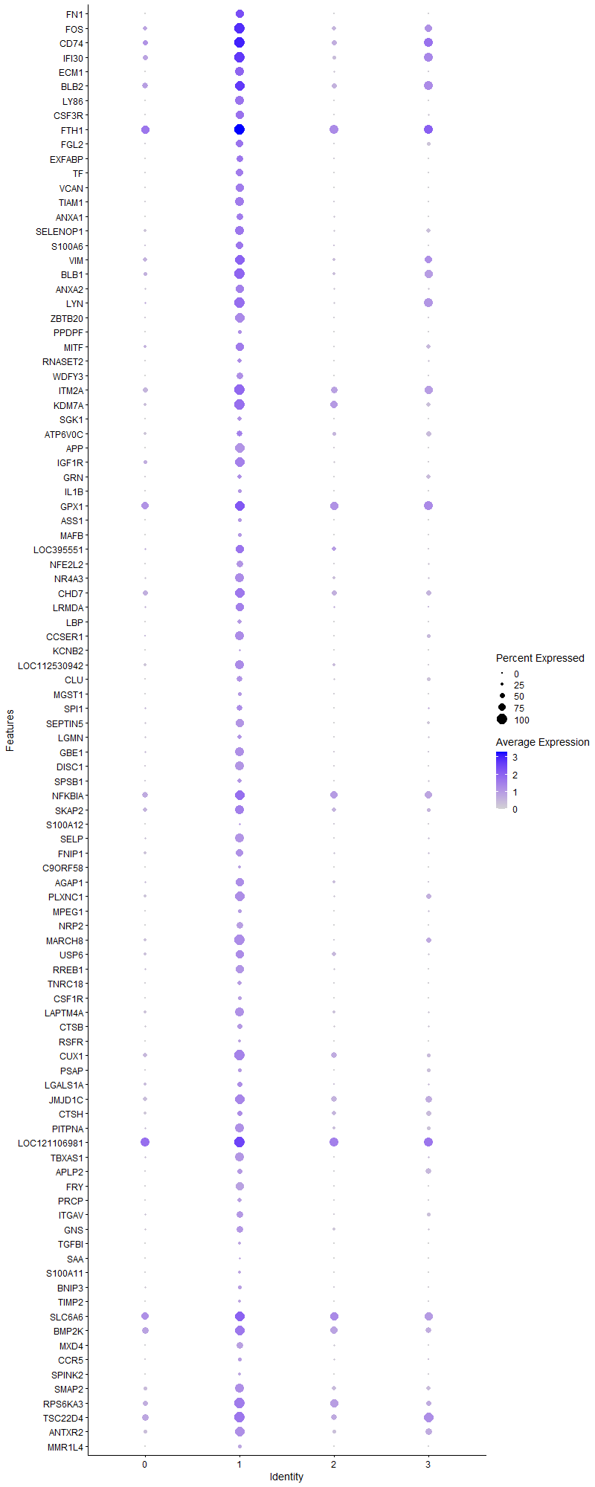
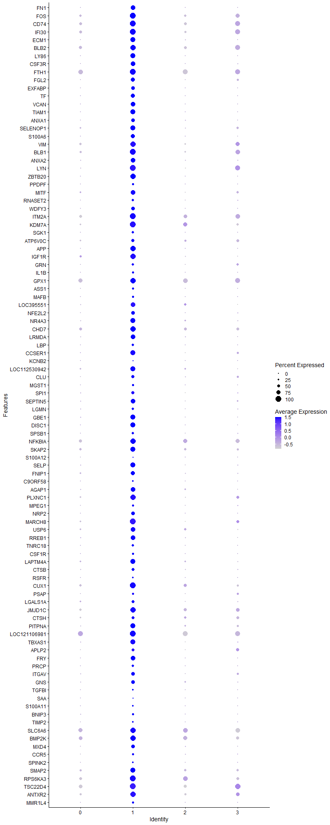
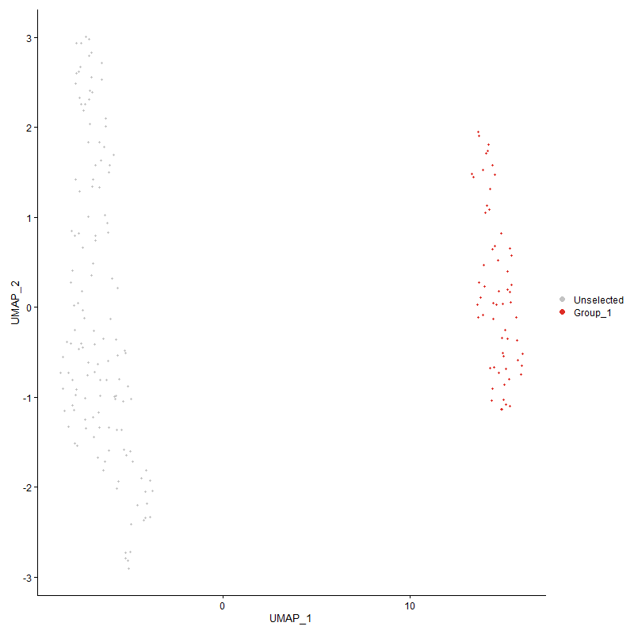
 | p_val | avg_log2FC | pct.1 | pct.2 | p_val_adj | cluster | gene
FN1 | 1.4602074331E-31 | 3.3669871896 | 0.836 | 0.03 | 2.2298827711E-27 | 1 | FN1
FOS | 5.9853232016E-27 | 2.9856135873 | 1 | 0.489 | 9.1401870612E-23 | 1 | FOS
CD74 | 7.6726836218E-25 | 2.7447156971 | 1 | 0.548 | 1.1716955159E-20 | 1 | CD74
IFI30 | 1.3735299963E-26 | 2.7232634096 | 1 | 0.511 | 2.0975176574E-22 | 1 | IFI30
ECM1 | 5.2061052887E-28 | 2.7213256054 | 0.852 | 0.089 | 7.9502433863E-24 | 1 | ECM1
BLB2 | 1.6070252708E-22 | 2.6000019002 | 0.984 | 0.607 | 2.454088291E-18 | 1 | BLB2
LY86 | 1.0201090931E-33 | 2.4511817317 | 0.869 | 0.022 | 1.5578085961E-29 | 1 | LY86
CSF3R | 3.6417887456E-28 | 2.441534143 | 0.82 | 0.059 | 5.5613755934E-24 | 1 | CSF3R
FTH1 | 2.2031076464E-23 | 2.396952611 | 1 | 0.859 | 3.3643656868E-19 | 1 | FTH1
FGL2 | 3.0460679823E-22 | 2.325526035 | 0.738 | 0.089 | 4.6516504158E-18 | 1 | FGL2
EXFABP | 6.7006775954E-19 | 2.3015595242 | 0.639 | 0.059 | 1.0232604756E-14 | 1 | EXFABP
TF | 5.2119736511E-25 | 2.2120125297 | 0.705 | 0.03 | 7.9592049627E-21 | 1 | TF
VCAN | 8.3507909569E-29 | 2.211552097 | 0.787 | 0.03 | 1.275249287E-24 | 1 | VCAN
TIAM1 | 3.1899301369E-30 | 2.1315786898 | 0.885 | 0.074 | 4.8713423121E-26 | 1 | TIAM1
ANXA1 | 1.6718053213E-19 | 2.1263150047 | 0.639 | 0.059 | 2.5530139061E-15 | 1 | ANXA1
SELENOP1 | 3.1373527146E-19 | 2.0601781861 | 0.869 | 0.23 | 4.7910513305E-15 | 1 | SELENOP1
S100A6 | 1.8778712068E-20 | 2.0474306716 | 0.705 | 0.074 | 2.8676971199E-16 | 1 | S100A6
VIM | 2.0121251989E-21 | 1.9627710461 | 0.967 | 0.4 | 3.0727163913E-17 | 1 | VIM
BLB1 | 7.6518202305E-21 | 1.9567535398 | 1 | 0.378 | 1.1685094674E-16 | 1 | BLB1
ANXA2 | 5.881904287E-20 | 1.8725131862 | 0.82 | 0.178 | 8.9822560367E-16 | 1 | ANXA2
LYN | 3.0930232079E-21 | 1.7822194841 | 1 | 0.274 | 4.7233557407E-17 | 1 | LYN
ZBTB20 | 1.3587277685E-29 | 1.7186570358 | 0.967 | 0.111 | 2.0749131753E-25 | 1 | ZBTB20
PPDPF | 2.0591575386E-11 | 1.7133820937 | 0.344 | 0.015 | 3.1445394772E-07 | 1 | PPDPF
MITF | 6.0632252521E-18 | 1.7021858975 | 0.836 | 0.2 | 9.2591512824E-14 | 1 | MITF
RNASET2 | 4.3211644822E-10 | 1.7008787897 | 0.41 | 0.067 | 6.5988502807E-06 | 1 | RNASET2
WDFY3 | 7.1172876108E-22 | 1.6957652855 | 0.623 | 0.022 | 1.086880991E-17 | 1 | WDFY3
ITM2A | 1.9803061732E-16 | 1.6700727429 | 1 | 0.607 | 3.024125557E-12 | 1 | ITM2A
KDM7A | 1.3043014334E-15 | 1.6378085158 | 1 | 0.444 | 1.991798719E-11 | 1 | KDM7A
SGK1 | 2.4510197714E-13 | 1.6017577433 | 0.443 | 0.037 | 3.7429522929E-09 | 1 | SGK1
ATP6V0C | 5.5695433096E-07 | 1.5828108299 | 0.607 | 0.356 | 0.008505249588 | 1 | ATP6V0C
APP | 2.1897915024E-33 | 1.5460088664 | 0.934 | 0.052 | 3.3440306034E-29 | 1 | APP
IGF1R | 1.3343071513E-20 | 1.5380605225 | 0.967 | 0.215 | 2.0376204507E-16 | 1 | IGF1R
GRN | 6.3998045467E-06 | 1.5287980385 | 0.377 | 0.141 | 0.097731415233 | 1 | GRN
IL1B | 1.2207709734E-09 | 1.5086483389 | 0.344 | 0.037 | 1.8642393534E-05 | 1 | IL1B
GPX1 | 5.4469355148E-08 | 1.4949488348 | 0.967 | 0.778 | 0.00083180152247 | 1 | GPX1
ASS1 | 6.5992666637E-11 | 1.4932436459 | 0.311 | 0.007 | 1.0077740122E-06 | 1 | ASS1
MAFB | 5.0032880536E-12 | 1.4909896724 | 0.361 | 0.015 | 7.6405211866E-08 | 1 | MAFB
LOC395551 | 1.1754585679E-14 | 1.4885471328 | 0.82 | 0.237 | 1.795042779E-10 | 1 | LOC395551
NFE2L2 | 7.6318903474E-19 | 1.4798156567 | 0.656 | 0.074 | 1.1654659749E-14 | 1 | NFE2L2
NR4A3 | 2.0500213498E-17 | 1.4680063544 | 0.869 | 0.207 | 3.1305876032E-13 | 1 | NR4A3
CHD7 | 2.1803216303E-11 | 1.4645535525 | 0.934 | 0.474 | 3.3295691617E-07 | 1 | CHD7
LRMDA | 1.1719138459E-19 | 1.4640483408 | 0.82 | 0.141 | 1.789629634E-15 | 1 | LRMDA
LBP | 3.1816212565E-13 | 1.4469447388 | 0.41 | 0.022 | 4.8586538207E-09 | 1 | LBP
CCSER1 | 4.9698021195E-24 | 1.4275920859 | 0.852 | 0.096 | 7.5893848167E-20 | 1 | CCSER1
KCNB2 | 3.2099879553E-08 | 1.4268146671 | 0.213 | 0 | 0.00049019726066 | 1 | KCNB2
LOC112530942 | 1.8551649329E-18 | 1.4261861787 | 0.885 | 0.222 | 2.8330223691E-14 | 1 | LOC112530942
CLU | 8.5941380436E-12 | 1.4245427059 | 0.574 | 0.148 | 1.3124108206E-07 | 1 | CLU
MGST1 | 3.8872082378E-09 | 1.4124716774 | 0.344 | 0.044 | 5.9361557E-05 | 1 | MGST1
SPI1 | 3.536744064E-13 | 1.4091126653 | 0.607 | 0.133 | 5.4009618602E-09 | 1 | SPI1
SEPTIN5 | 1.2471417538E-20 | 1.4028536749 | 0.787 | 0.119 | 1.9045101723E-16 | 1 | SEPTIN5
LGMN | 1.2571709803E-07 | 1.3998348517 | 0.426 | 0.133 | 0.001919825804 | 1 | LGMN
GBE1 | 4.4405269181E-22 | 1.3953068658 | 0.885 | 0.148 | 6.7811286566E-18 | 1 | GBE1
DISC1 | 1.6859699131E-28 | 1.3949915571 | 0.902 | 0.081 | 2.5746446543E-24 | 1 | DISC1
SPSB1 | 3.1328973023E-08 | 1.3900038424 | 0.41 | 0.104 | 0.00047842474704 | 1 | SPSB1
NFKBIA | 4.2624503194E-12 | 1.3782517016 | 0.967 | 0.644 | 6.5091878828E-08 | 1 | NFKBIA
SKAP2 | 4.8784753653E-10 | 1.3762760833 | 0.885 | 0.415 | 7.4499197303E-06 | 1 | SKAP2
S100A12 | 0.00571787261 | 1.3741062155 | 0.164 | 0.052 | 1 | 1 | S100A12
SELP | 1.9840086423E-24 | 1.3365089164 | 0.918 | 0.141 | 3.0297795976E-20 | 1 | SELP
FNIP1 | 3.3292547028E-13 | 1.3305028306 | 0.721 | 0.215 | 5.0841048566E-09 | 1 | FNIP1
C9ORF58 | 4.2672494672E-11 | 1.3266505051 | 0.295 | 0 | 6.5165166613E-07 | 1 | C9ORF58
AGAP1 | 1.4600463516E-13 | 1.3244155007 | 0.787 | 0.207 | 2.2296367835E-09 | 1 | AGAP1
PLXNC1 | 8.7633227603E-20 | 1.3202829883 | 0.967 | 0.267 | 1.3382470187E-15 | 1 | PLXNC1
MPEG1 | 2.5431275707E-07 | 1.3160032609 | 0.311 | 0.052 | 0.0038836101133 | 1 | MPEG1
NRP2 | 5.7197313397E-21 | 1.3125394056 | 0.623 | 0.03 | 8.7346017289E-17 | 1 | NRP2
MARCH8 | 8.4423880848E-21 | 1.3069322705 | 1 | 0.244 | 1.2892370844E-16 | 1 | MARCH8
USP6 | 7.0911344952E-11 | 1.3069322705 | 0.82 | 0.304 | 1.0828871488E-06 | 1 | USP6
RREB1 | 2.4823991042E-18 | 1.3006552966 | 0.803 | 0.156 | 3.790871672E-14 | 1 | RREB1
TNRC18 | 1.7585364462E-09 | 1.2970860476 | 0.393 | 0.067 | 2.685461007E-05 | 1 | TNRC18
CSF1R | 2.0508566962E-11 | 1.2864509159 | 0.344 | 0.015 | 3.1318632608E-07 | 1 | CSF1R
LAPTM4A | 2.4686272754E-17 | 1.2821398091 | 0.885 | 0.259 | 3.7698407122E-13 | 1 | LAPTM4A
CTSB | 2.1646061109E-08 | 1.2777222653 | 0.508 | 0.156 | 0.00033055699919 | 1 | CTSB
RSFR | 6.2572299804E-10 | 1.2689350073 | 0.262 | 0 | 9.555415903E-06 | 1 | RSFR
CUX1 | 9.3783096721E-15 | 1.268562266 | 1 | 0.43 | 1.43216167E-10 | 1 | CUX1
PSAP | 3.6048001035E-06 | 1.2644729603 | 0.344 | 0.104 | 0.055048902381 | 1 | PSAP
LGALS1A | 1.2689559565E-07 | 1.2598471344 | 0.508 | 0.193 | 0.0019378226411 | 1 | LGALS1A
JMJD1C | 1.0700167464E-12 | 1.255241703 | 0.967 | 0.496 | 1.6340225735E-08 | 1 | JMJD1C
CTSH | 0.0007719081646 | 1.2509206253 | 0.475 | 0.341 | 1 | 1 | CTSH
PITPNA | 1.6931325975E-16 | 1.2507756382 | 0.852 | 0.252 | 2.5855827896E-12 | 1 | PITPNA
LOC121106981 | 1.4230231595E-09 | 1.2469528612 | 1 | 0.881 | 2.1730986669E-05 | 1 | LOC121106981
TBXAS1 | 5.6563936747E-23 | 1.237576614 | 0.902 | 0.148 | 8.6378787806E-19 | 1 | TBXAS1
APLP2 | 5.1645276367E-09 | 1.2340747405 | 0.508 | 0.17 | 7.886750154E-05 | 1 | APLP2
FRY | 1.1647183427E-28 | 1.2159802727 | 0.82 | 0.044 | 1.7786413812E-24 | 1 | FRY
PRCP | 9.193986599E-09 | 1.2140966829 | 0.377 | 0.067 | 0.00014040136935 | 1 | PRCP
ITGAV | 1.9760403814E-12 | 1.2135850788 | 0.672 | 0.2 | 3.0176112665E-08 | 1 | ITGAV
GNS | 8.6716688664E-12 | 1.2131924553 | 0.639 | 0.178 | 1.3242505526E-07 | 1 | GNS
TGFBI | 2.3528349263E-09 | 1.2088140148 | 0.246 | 0 | 3.5930142159E-05 | 1 | TGFBI
SAA | 2.0336755496E-07 | 1.1981667706 | 0.213 | 0.007 | 0.0031056259317 | 1 | SAA
S100A11 | 8.2372379423E-08 | 1.1771051551 | 0.262 | 0.022 | 0.0012579086062 | 1 | S100A11
BNIP3 | 9.3534724889E-05 | 1.1739124677 | 0.328 | 0.126 | 1 | 1 | BNIP3
TIMP2 | 1.3985847432E-09 | 1.1669872493 | 0.295 | 0.015 | 2.1357787613E-05 | 1 | TIMP2
SLC6A6 | 2.2742911888E-10 | 1.1648962877 | 0.934 | 0.793 | 3.4730700744E-06 | 1 | SLC6A6
BMP2K | 1.1380997055E-08 | 1.1645155077 | 0.967 | 0.644 | 0.00017379920602 | 1 | BMP2K
MXD4 | 4.1066706037E-17 | 1.1557934143 | 0.656 | 0.089 | 6.2712966789E-13 | 1 | MXD4
CCR5 | 3.3490738934E-06 | 1.1550670427 | 0.344 | 0.096 | 0.051143707426 | 1 | CCR5
SPINK2 | 5.4243199151E-09 | 1.1460782595 | 0.279 | 0.015 | 8.2834789424E-05 | 1 | SPINK2
SMAP2 | 4.4869945463E-13 | 1.1391254988 | 0.869 | 0.4 | 6.8520893717E-09 | 1 | SMAP2
RPS6KA3 | 6.4781952144E-09 | 1.1362639697 | 1 | 0.622 | 9.892851912E-05 | 1 | RPS6KA3
TSC22D4 | 1.2893453071E-08 | 1.1326577437 | 1 | 0.667 | 0.00019689592185 | 1 | TSC22D4
ANTXR2 | 3.9188009974E-13 | 1.1251186409 | 0.934 | 0.378 | 5.9844010031E-09 | 1 | ANTXR2
MMR1L4 | 3.5548438188E-10 | 1.1248617736 | 0.311 | 0.015 | 5.4286019957E-06 | 1 | MMR1L4
CD83 | 1.2988198411E-05 | 1.1239392822 | 0.607 | 0.274 | 0.19834277793 | 1 | CD83
EFHD1 | 0.002339217813 | 1.1205431674 | 0.361 | 0.23 | 1 | 1 | EFHD1
SDCBP | 1.7785611619E-05 | 1.1086035541 | 0.344 | 0.119 | 0.27160407504 | 1 | SDCBP
ATRN | 2.3535755261E-12 | 1.0997226238 | 1 | 0.4 | 3.5941451859E-08 | 1 | ATRN
DMA | 0.00012920973077 | 1.0995356736 | 0.475 | 0.319 | 1 | 1 | DMA
TET2 | 6.5077763633E-07 | 1.094239328 | 0.934 | 0.489 | 0.0099380252844 | 1 | TET2
PLXND1 | 2.0003625066E-09 | 1.0939897483 | 0.311 | 0.022 | 3.0547535838E-05 | 1 | PLXND1
DENND4A | 1.6916618678E-14 | 1.0801149971 | 0.803 | 0.222 | 2.5833368383E-10 | 1 | DENND4A
PTPN6 | 0.00037943789365 | 1.0760685382 | 0.459 | 0.333 | 1 | 1 | PTPN6
MYOF | 1.5006124254E-06 | 1.0692626624 | 0.164 | 0 | 0.022915852348 | 1 | MYOF
INPP5A | 7.896757441E-15 | 1.0655348322 | 0.967 | 0.304 | 1.2059138288E-10 | 1 | INPP5A
CTSZ | 0.0031067019439 | 1.0529688551 | 0.295 | 0.148 | 1 | 1 | CTSZ
MTSS1 | 4.0045845304E-06 | 1.0487810581 | 0.213 | 0.022 | 0.061154010364 | 1 | MTSS1
GAS7 | 0.00016165935216 | 1.0426486698 | 0.295 | 0.104 | 1 | 1 | GAS7
GSL | 7.8186565254E-08 | 1.0367308633 | 0.246 | 0.015 | 0.001193987038 | 1 | GSL
KCTD12 | 1.0417503416E-09 | 1.0358953417 | 0.279 | 0.007 | 1.5908569466E-05 | 1 | KCTD12
LOC100857883 | 1.6500208437E-10 | 1.0350469471 | 0.279 | 0 | 2.5197468304E-06 | 1 | LOC100857883
SLC24A4 | 1.8371517894E-21 | 1.0347171505 | 0.836 | 0.111 | 2.8055144977E-17 | 1 | SLC24A4
BTG2 | 7.5255422923E-16 | 1.0306010421 | 0.885 | 0.252 | 1.1492255635E-11 | 1 | BTG2
FCER1G | 1.1443721666E-06 | 1.0271371868 | 0.213 | 0.015 | 0.017475707357 | 1 | FCER1G
CST3 | 0.0046347647989 | 1.0238723271 | 0.377 | 0.244 | 1 | 1 | CST3
LOC101750635 | 2.6525341603E-05 | 1.0223428911 | 0.246 | 0.052 | 0.40506849161 | 1 | LOC101750635
LRRFIP2 | 2.8597984009E-19 | 1.0220895422 | 0.852 | 0.163 | 4.367198138E-15 | 1 | LRRFIP2
OAZ1 | 8.0633766655E-06 | 1.0192634981 | 1 | 0.881 | 0.12313582506 | 1 | OAZ1
TXNRD1 | 0.0001427488886 | 1.0095762596 | 0.246 | 0.067 | 1 | 1 | TXNRD1
CCR2 | 3.4030916412E-05 | 1.0037253361 | 0.295 | 0.089 | 0.51968612452 | 1 | CCR2
SIPA1L1 | 3.9080248935E-15 | 1.0007787063 | 0.77 | 0.178 | 5.9679448148E-11 | 1 | SIPA1L1
LOC121107581 | 1.1662445596E-07 | 1 | 0.197 | 0 | 0.001780972067 | 1 | LOC121107581
IL1RAP | 3.0539461735E-07 | 0.9917501131 | 0.246 | 0.022 | 0.0046636812015 | 1 | IL1RAP
J6367-mgr02 | 1.4222297593E-10 | 0.98856656542 | 1 | 0.993 | 2.1718870655E-06 | 1 | J6367-mgr02
MAMLD1 | 4.5646122625E-09 | 0.98807642542 | 0.902 | 0.356 | 6.9706193861E-05 | 1 | MAMLD1
EEPD1 | 1.1263000562E-12 | 0.98322778381 | 0.77 | 0.237 | 1.7199728158E-08 | 1 | EEPD1
GK2 | 9.4986218539E-06 | 0.97489160948 | 0.246 | 0.044 | 0.14505345433 | 1 | GK2
EPN2 | 2.7388072189E-10 | 0.97453497965 | 0.902 | 0.452 | 4.182432504E-06 | 1 | EPN2
LOC107050532 | 2.0951745185E-06 | 0.97361106348 | 0.279 | 0.052 | 0.031995410071 | 1 | LOC107050532
LRP1 | 3.8578625831E-09 | 0.96550601385 | 0.262 | 0.007 | 5.8913419506E-05 | 1 | LRP1
BCAT1 | 6.2744151923E-09 | 0.95966513526 | 0.902 | 0.415 | 9.5816594402E-05 | 1 | BCAT1
HIVEP1 | 3.9810023472E-13 | 0.95731661603 | 0.934 | 0.311 | 6.0793886844E-09 | 1 | HIVEP1
CALCA | 4.1819284372E-18 | 0.95660046062 | 0.934 | 0.215 | 6.3862229165E-14 | 1 | CALCA
FOSL2 | 3.7155432142E-06 | 0.94538090925 | 0.393 | 0.133 | 0.056740060424 | 1 | FOSL2
SYNGR3 | 0.0099666291796 | 0.94096382958 | 0.311 | 0.178 | 1 | 1 | SYNGR3
CTSS | 3.2192513522E-08 | 0.93848284008 | 0.705 | 0.363 | 0.000491611874 | 1 | CTSS
NDEL1 | 3.1667813132E-16 | 0.93749163768 | 0.705 | 0.119 | 4.8359917434E-12 | 1 | NDEL1
PRNP | 0.00036016229824 | 0.93034956843 | 0.23 | 0.067 | 1 | 1 | PRNP
AVD | 4.1904683922E-07 | 0.92724365756 | 0.18 | 0 | 0.0063992642817 | 1 | AVD
ITSN1 | 5.1234586407E-07 | 0.92676523108 | 0.443 | 0.141 | 0.0078240336902 | 1 | ITSN1
J6367-mgr01 | 5.1487089243E-09 | 0.92652330963 | 1 | 0.993 | 7.8625933983E-05 | 1 | J6367-mgr01
CAMK1D | 3.1445399872E-07 | 0.92295257509 | 0.967 | 0.511 | 0.0048020270145 | 1 | CAMK1D
MAP3K1 | 3.9392156336E-09 | 0.92211341833 | 1 | 0.563 | 6.015576194E-05 | 1 | MAP3K1
TNS1 | 1.6466792756E-10 | 0.91475271338 | 0.279 | 0 | 2.5146439218E-06 | 1 | TNS1
ATP6AP1 | 1.41187232E-11 | 0.91390481736 | 0.852 | 0.37 | 2.1560702199E-07 | 1 | ATP6AP1
NAAA | 1.4951816133E-05 | 0.91161300585 | 0.23 | 0.037 | 0.22832918417 | 1 | NAAA
BIN1 | 5.7193303883E-05 | 0.90418966253 | 0.295 | 0.089 | 0.8733989436 | 1 | BIN1
FABP3 | 3.200899458E-08 | 0.9021526766 | 0.213 | 0 | 0.00048880935622 | 1 | FABP3
RUBCNL | 1.3738266424E-10 | 0.89773129698 | 0.82 | 0.289 | 2.0979706656E-06 | 1 | RUBCNL
...

Cluster2
...
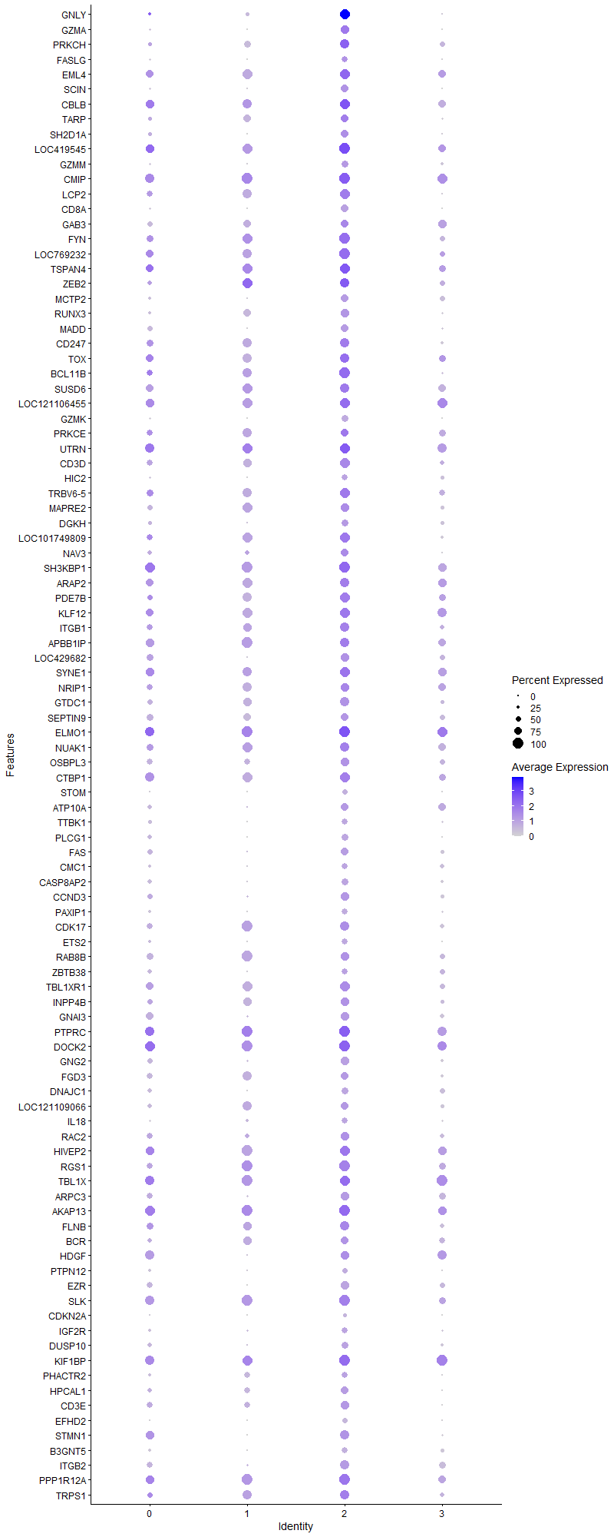
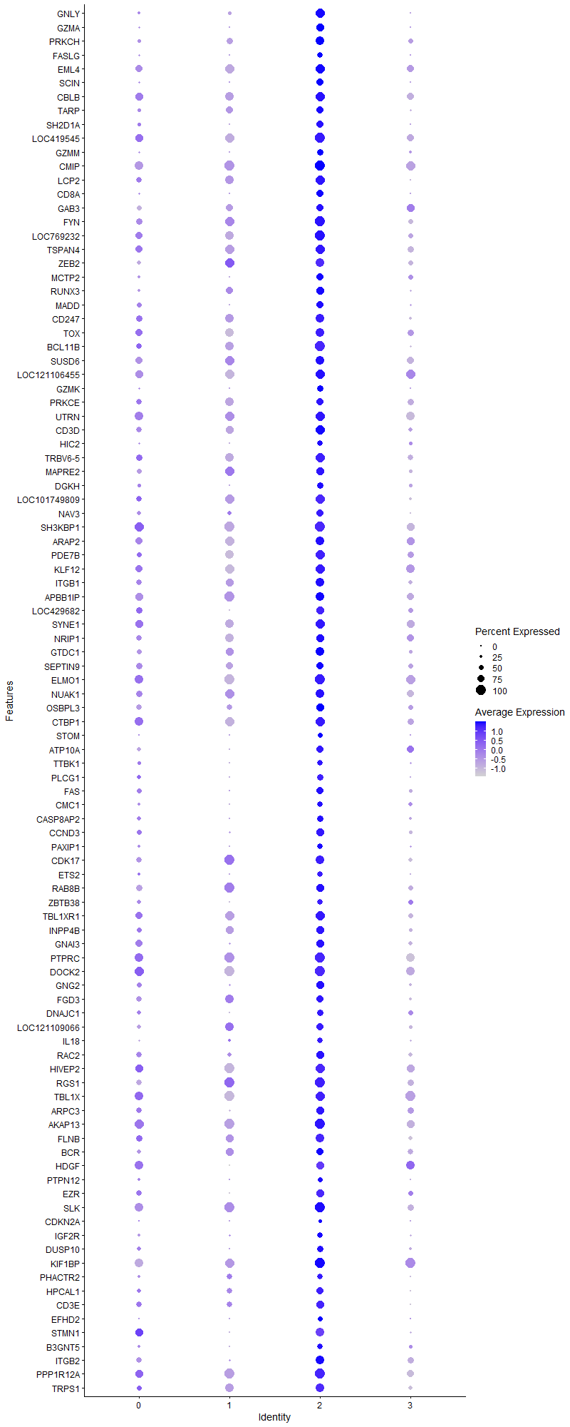
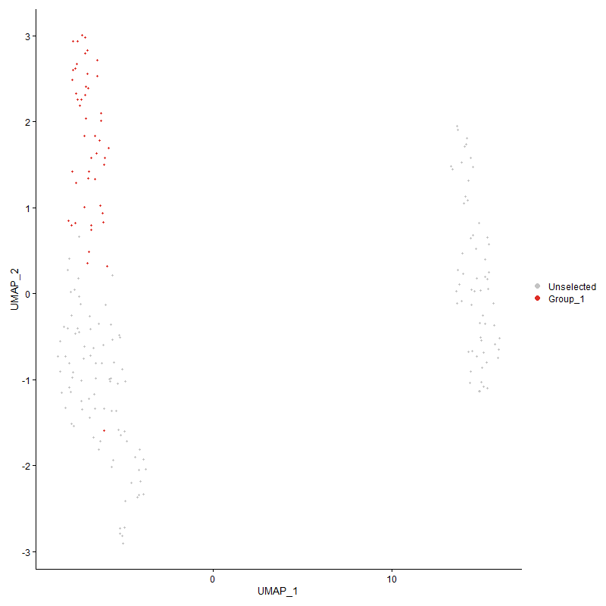
...

Cluster3
...



