Clustered cells
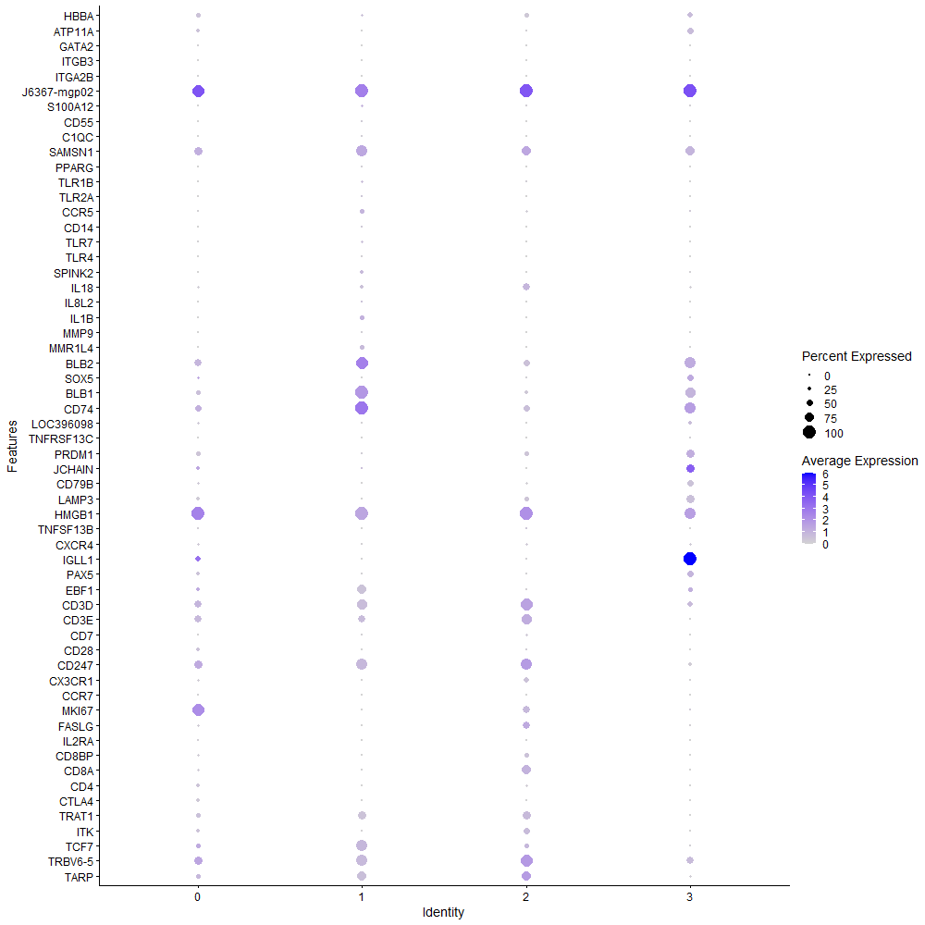
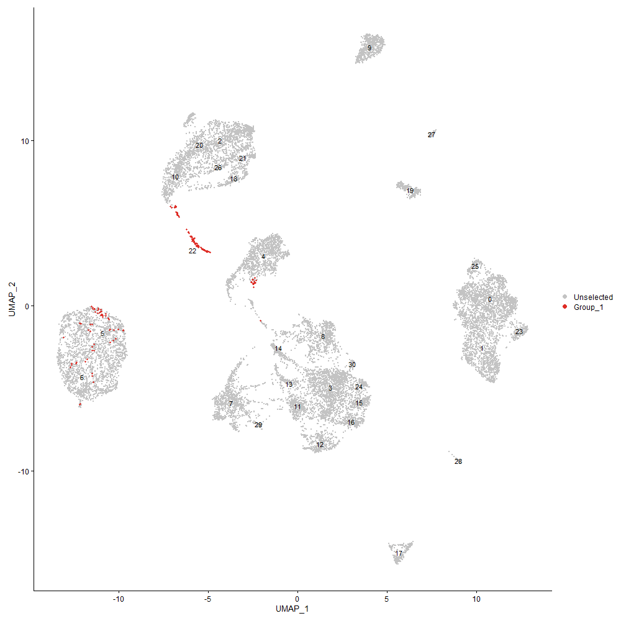
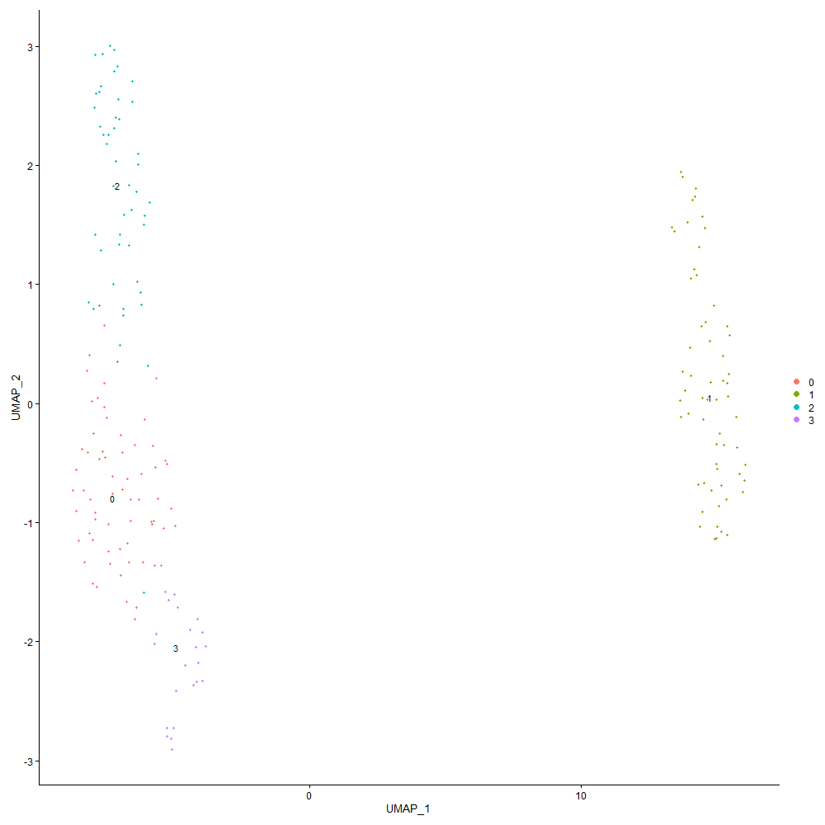

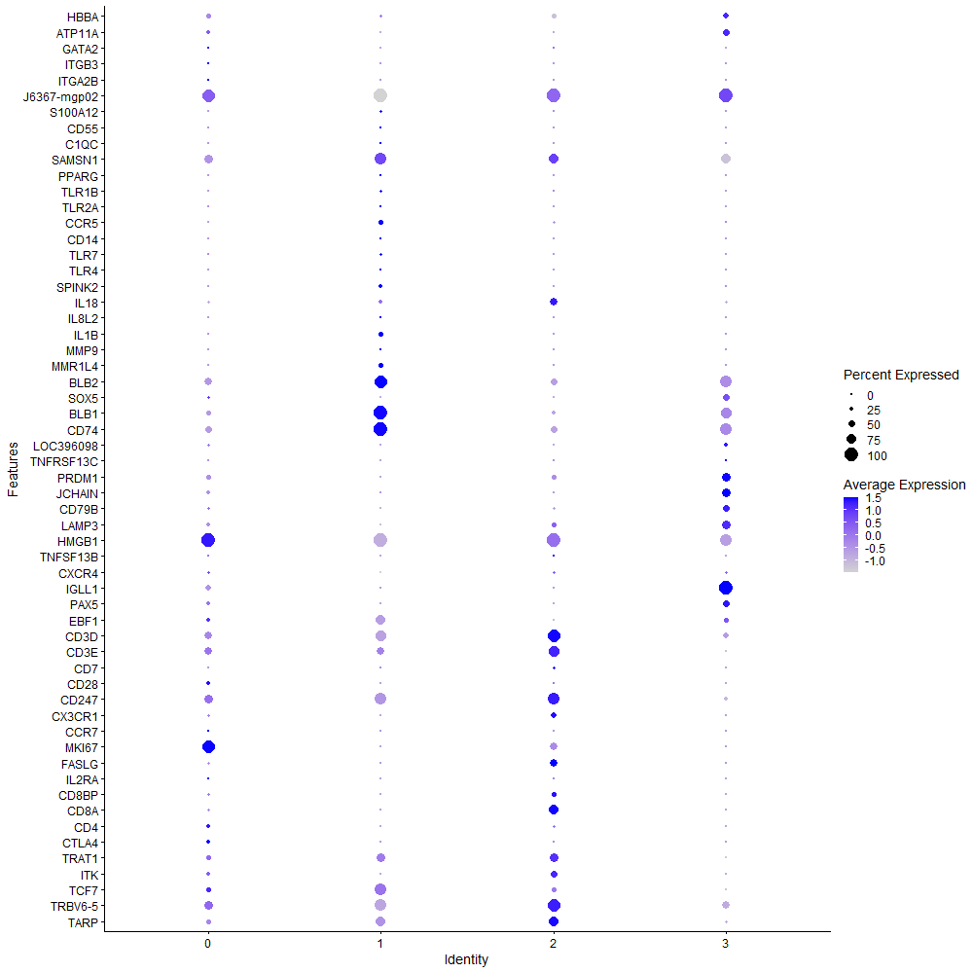
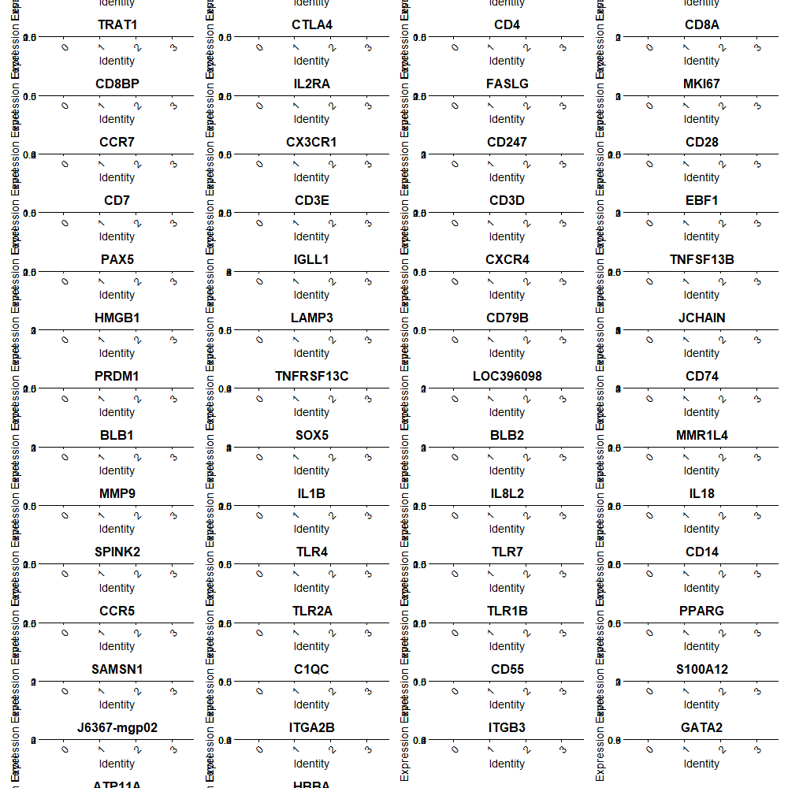

Cluster0
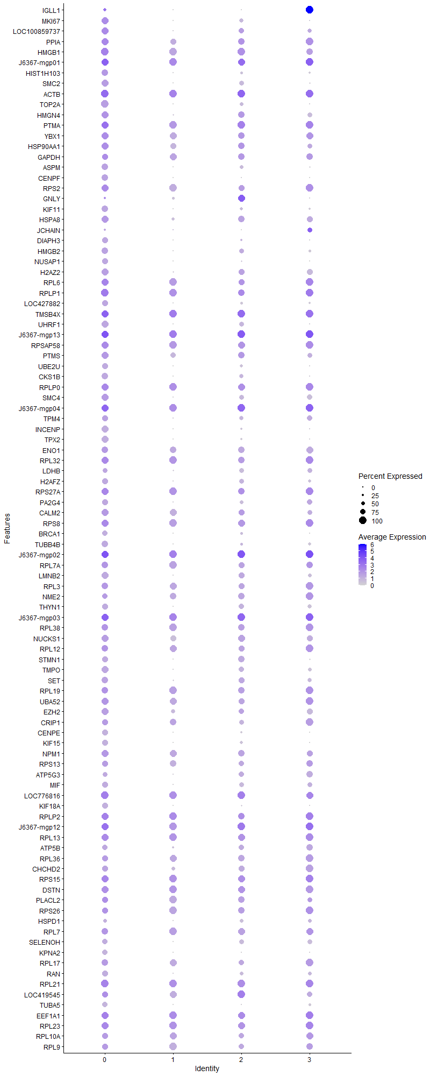
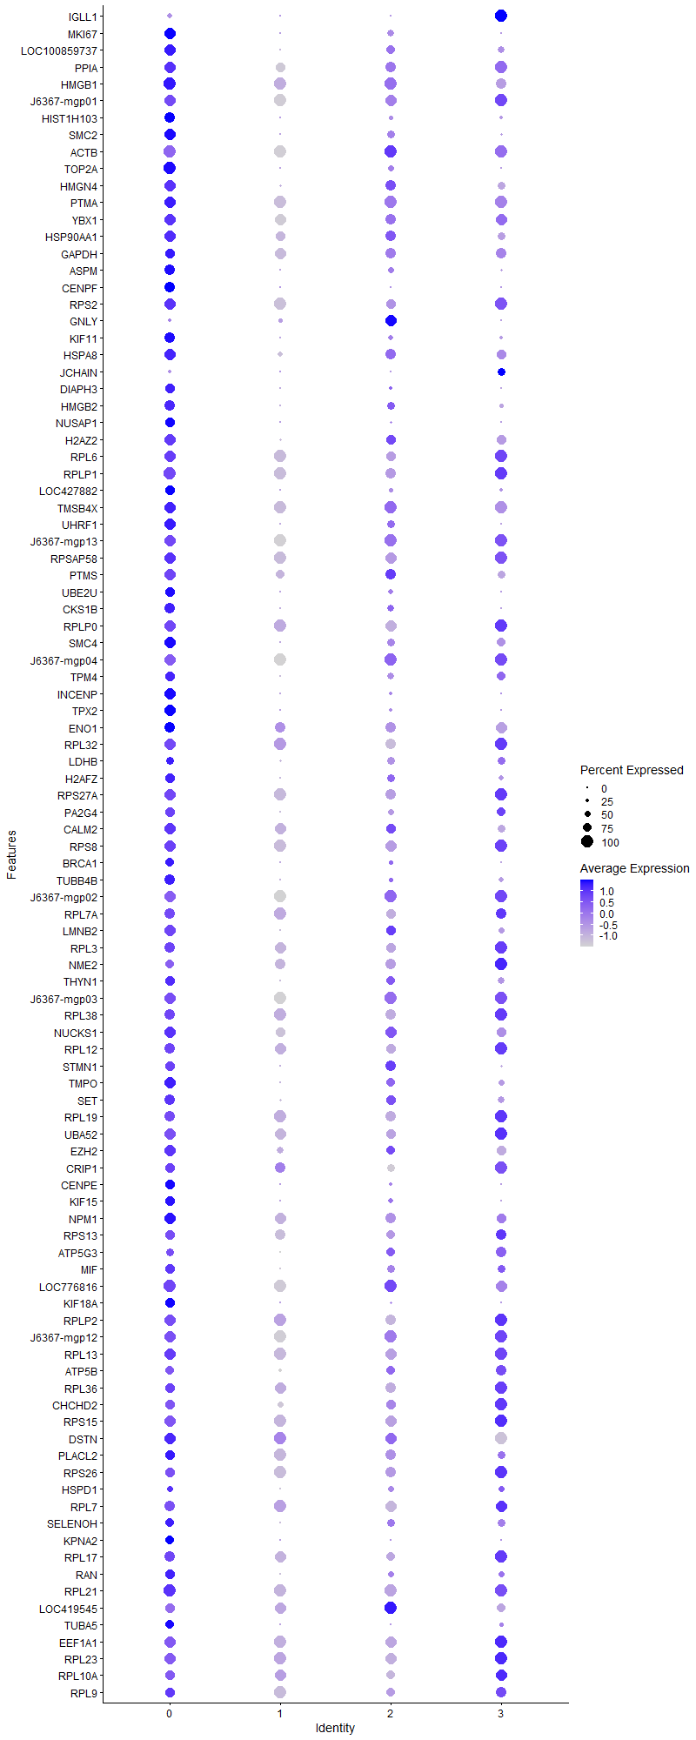
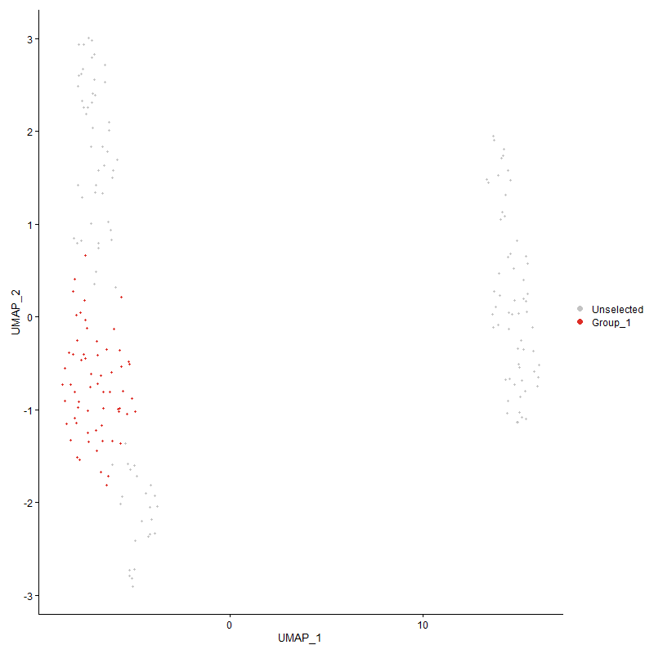
 | p_val | avg_log2FC | pct.1 | pct.2 | p_val_adj | cluster | gene
IGLL1 | 1.9852925902E-08 | 2.9438840102 | 0.397 | 0.168 | 0.00030317403145 | 0 | IGLL1
MKI67 | 0 | 2.6461157765 | 0.952 | 0.01 | 0 | 0 | MKI67
LOC100859737 | 6.3957925648E-69 | 2.2880768091 | 0.921 | 0.187 | 9.7670148257E-65 | 0 | LOC100859737
PPIA | 1.4098397639E-33 | 2.0512587672 | 0.921 | 0.355 | 2.1529663035E-29 | 0 | PPIA
HMGB1 | 3.3155930443E-41 | 2.0251605765 | 1 | 0.503 | 5.063242138E-37 | 0 | HMGB1
J6367-mgp01 | 2.7689051281E-30 | 2.0118839452 | 0.984 | 0.88 | 4.2283950211E-26 | 0 | J6367-mgp01
HIST1H103 | 3.1457341367E-150 | 1.9883333649 | 0.81 | 0.058 | 4.8038506002E-146 | 0 | HIST1H103
SMC2 | 0 | 1.9706029863 | 0.968 | 0.003 | 0 | 0 | SMC2
ACTB | 6.008427443E-27 | 1.8992289616 | 1 | 0.687 | 9.1754695482E-23 | 0 | ACTB
TOP2A | 0 | 1.8821259717 | 0.952 | 0.002 | 0 | 0 | TOP2A
HMGN4 | 3.7473359226E-67 | 1.8333989565 | 0.984 | 0.226 | 5.7225566874E-63 | 0 | HMGN4
PTMA | 9.5718492845E-33 | 1.8198373968 | 0.968 | 0.79 | 1.4617171042E-28 | 0 | PTMA
YBX1 | 2.3934623866E-36 | 1.7609998639 | 0.921 | 0.379 | 3.6550564106E-32 | 0 | YBX1
HSP90AA1 | 2.3186601149E-25 | 1.7530178579 | 0.841 | 0.342 | 3.5408258614E-21 | 0 | HSP90AA1
GAPDH | 2.6727660493E-24 | 1.7347954466 | 0.81 | 0.335 | 4.081581034E-20 | 0 | GAPDH
ASPM | 0 | 1.7322561633 | 0.873 | 0.013 | 0 | 0 | ASPM
CENPF | 0 | 1.7290356331 | 0.81 | 0.004 | 0 | 0 | CENPF
RPS2 | 6.2574889927E-18 | 1.6188396486 | 0.873 | 0.479 | 9.5558114408E-14 | 0 | RPS2
GNLY | 0.0038226067878 | 1.6065295519 | 0.27 | 0.154 | 1 | 0 | GNLY
KIF11 | 0 | 1.5900911082 | 0.778 | 0.01 | 0 | 0 | KIF11
HSPA8 | 1.6671880887E-33 | 1.5821935725 | 0.81 | 0.256 | 2.5459629303E-29 | 0 | HSPA8
JCHAIN | 4.6601478797E-111 | 1.5767349496 | 0.222 | 0.005 | 7.1165118271E-107 | 0 | JCHAIN
DIAPH3 | 0 | 1.5699918854 | 0.73 | 0.004 | 0 | 0 | DIAPH3
HMGB2 | 1.0726166126E-203 | 1.5477433782 | 0.857 | 0.047 | 1.6379928291E-199 | 0 | HMGB2
NUSAP1 | 0 | 1.5101385285 | 0.778 | 0.011 | 0 | 0 | NUSAP1
H2AZ2 | 2.6270008764E-93 | 1.4947037164 | 0.937 | 0.131 | 4.0116930383E-89 | 0 | H2AZ2
RPL6 | 6.3424265575E-19 | 1.4821170321 | 0.905 | 0.591 | 9.685519596E-15 | 0 | RPL6
RPLP1 | 5.5183921257E-15 | 1.4818203177 | 1 | 0.685 | 8.4271366152E-11 | 0 | RPLP1
LOC427882 | 0 | 1.4789346651 | 0.778 | 0.022 | 0 | 0 | LOC427882
TMSB4X | 2.3678766985E-14 | 1.4730574205 | 0.968 | 0.899 | 3.6159845062E-10 | 0 | TMSB4X
UHRF1 | 1.0746186988E-283 | 1.4521576351 | 0.921 | 0.037 | 1.6410502149E-279 | 0 | UHRF1
J6367-mgp13 | 3.6874669197E-27 | 1.4311613241 | 0.952 | 0.997 | 5.6311307331E-23 | 0 | J6367-mgp13
RPSAP58 | 2.3440019571E-22 | 1.4073184391 | 0.952 | 0.544 | 3.5795253887E-18 | 0 | RPSAP58
PTMS | 3.4827290704E-39 | 1.3961198912 | 0.889 | 0.29 | 5.3184755635E-35 | 0 | PTMS
UBE2U | 0 | 1.3928088278 | 0.794 | 0.003 | 0 | 0 | UBE2U
CKS1B | 0 | 1.3775452947 | 0.73 | 0.006 | 0 | 0 | CKS1B
RPLP0 | 1.8960274569E-20 | 1.3606391767 | 0.937 | 0.602 | 2.8954235294E-16 | 0 | RPLP0
SMC4 | 4.2882061395E-35 | 1.359745944 | 0.841 | 0.266 | 6.5485195957E-31 | 0 | SMC4
J6367-mgp04 | 6.0034437039E-25 | 1.342259736 | 0.952 | 0.975 | 9.1678588803E-21 | 0 | J6367-mgp04
TPM4 | 1.2709966165E-37 | 1.3186607474 | 0.73 | 0.176 | 1.940938933E-33 | 0 | TPM4
INCENP | 0 | 1.3121226746 | 0.873 | 0.009 | 0 | 0 | INCENP
TPX2 | 0 | 1.3087307488 | 0.825 | 0.005 | 0 | 0 | TPX2
ENO1 | 7.9113477837E-27 | 1.308121213 | 0.857 | 0.352 | 1.20814192E-22 | 0 | ENO1
RPL32 | 1.1748397233E-11 | 1.3075781635 | 0.841 | 0.54 | 1.7940977415E-07 | 0 | RPL32
LDHB | 2.2059797008E-50 | 1.2916957334 | 0.571 | 0.078 | 3.3687516011E-46 | 0 | LDHB
H2AFZ | 3.4264282425E-139 | 1.2833894438 | 0.794 | 0.058 | 5.2324985691E-135 | 0 | H2AFZ
RPS27A | 1.011550511E-17 | 1.2490830152 | 0.921 | 0.616 | 1.5447387854E-13 | 0 | RPS27A
PA2G4 | 3.3446808301E-66 | 1.2478607156 | 0.746 | 0.106 | 5.1076620956E-62 | 0 | PA2G4
CALM2 | 3.822302243E-27 | 1.2397131135 | 0.905 | 0.369 | 5.8370377553E-23 | 0 | CALM2
RPS8 | 3.764698118E-15 | 1.235040419 | 0.937 | 0.579 | 5.749070496E-11 | 0 | RPS8
BRCA1 | 0 | 1.2317494317 | 0.683 | 0.004 | 0 | 0 | BRCA1
TUBB4B | 5.9194968862E-94 | 1.2132059761 | 0.794 | 0.087 | 9.0396636949E-90 | 0 | TUBB4B
J6367-mgp02 | 1.183716347E-22 | 1.204575754 | 0.984 | 0.995 | 1.8076532334E-18 | 0 | J6367-mgp02
RPL7A | 6.6519654633E-18 | 1.2017604697 | 0.873 | 0.449 | 1.0158216459E-13 | 0 | RPL7A
LMNB2 | 1.7944061729E-113 | 1.1911890725 | 0.937 | 0.098 | 2.7402376667E-109 | 0 | LMNB2
RPL3 | 2.8972791405E-13 | 1.1875926989 | 0.746 | 0.409 | 4.4244349754E-09 | 0 | RPL3
NME2 | 1.3862409942E-10 | 1.1861892991 | 0.635 | 0.352 | 2.1169286223E-06 | 0 | NME2
THYN1 | 6.2427839276E-112 | 1.1780954429 | 0.81 | 0.075 | 9.5333553358E-108 | 0 | THYN1
J6367-mgp03 | 2.2026217404E-22 | 1.1778967028 | 0.952 | 0.989 | 3.3636236598E-18 | 0 | J6367-mgp03
RPL38 | 2.225526913E-10 | 1.163183009 | 0.762 | 0.446 | 3.3986021488E-06 | 0 | RPL38
NUCKS1 | 1.3925520473E-34 | 1.1623288393 | 0.937 | 0.352 | 2.1265662314E-30 | 0 | NUCKS1
RPL12 | 8.2702672535E-14 | 1.1608763133 | 0.778 | 0.425 | 1.2629525123E-09 | 0 | RPL12
STMN1 | 3.7018867052E-75 | 1.1587944992 | 0.746 | 0.094 | 5.6531511874E-71 | 0 | STMN1
TMPO | 3.8468900855E-60 | 1.1547058036 | 0.873 | 0.165 | 5.8745858496E-56 | 0 | TMPO
SET | 4.0587500419E-39 | 1.1508197943 | 0.873 | 0.252 | 6.1981171889E-35 | 0 | SET
RPL19 | 2.9383001274E-14 | 1.1507951943 | 0.857 | 0.497 | 4.4870781246E-10 | 0 | RPL19
UBA52 | 1.8010425932E-18 | 1.1394952368 | 0.857 | 0.456 | 2.7503721441E-14 | 0 | UBA52
EZH2 | 1.3544422376E-36 | 1.1309273514 | 0.873 | 0.229 | 2.068368741E-32 | 0 | EZH2
CRIP1 | 4.6733999933E-12 | 1.1273015538 | 0.651 | 0.289 | 7.1367491298E-08 | 0 | CRIP1
CENPE | 0 | 1.1073640687 | 0.698 | 0.002 | 0 | 0 | CENPE
KIF15 | 0 | 1.1072208105 | 0.683 | 0.007 | 0 | 0 | KIF15
NPM1 | 5.2087750808E-16 | 1.102603811 | 0.825 | 0.439 | 7.9543204259E-12 | 0 | NPM1
RPS13 | 5.8033276997E-12 | 1.1007011249 | 0.667 | 0.343 | 8.8622617303E-08 | 0 | RPS13
ATP5G3 | 4.027433323E-27 | 1.0979774354 | 0.571 | 0.141 | 6.1502934275E-23 | 0 | ATP5G3
MIF | 3.2051624105E-52 | 1.0827637664 | 0.667 | 0.103 | 4.8946035171E-48 | 0 | MIF
LOC776816 | 5.8962591104E-18 | 1.0737219493 | 0.968 | 0.784 | 9.0041772875E-14 | 0 | LOC776816
KIF18A | 3.5251609165E-260 | 1.0722106258 | 0.603 | 0.016 | 5.3832732356E-256 | 0 | KIF18A
RPLP2 | 2.0616835428E-11 | 1.0656243258 | 0.937 | 0.709 | 3.1483969382E-07 | 0 | RPLP2
J6367-mgp12 | 2.9316702107E-20 | 1.0600622644 | 0.952 | 0.972 | 4.4769535787E-16 | 0 | J6367-mgp12
RPL13 | 5.4020246156E-16 | 1.0577049338 | 0.952 | 0.662 | 8.2494317904E-12 | 0 | RPL13
ATP5B | 2.4354364011E-28 | 1.053426312 | 0.651 | 0.177 | 3.7191549282E-24 | 0 | ATP5B
RPL36 | 9.0833520281E-17 | 1.0517473353 | 0.81 | 0.401 | 1.3871186882E-12 | 0 | RPL36
CHCHD2 | 1.0592219823E-23 | 1.0455901853 | 0.73 | 0.258 | 1.6175378891E-19 | 0 | CHCHD2
RPS15 | 8.0016098211E-15 | 1.0392728578 | 0.952 | 0.706 | 1.2219258358E-10 | 0 | RPS15
DSTN | 3.8809517941E-21 | 1.0379093082 | 0.952 | 0.66 | 5.9266014847E-17 | 0 | DSTN
PLACL2 | 2.590740945E-08 | 1.0326210394 | 0.81 | 0.521 | 0.00039563204971 | 0 | PLACL2
RPS26 | 5.6930425271E-10 | 1.031958647 | 0.794 | 0.531 | 8.6938452432E-06 | 0 | RPS26
HSPD1 | 2.2923734106E-34 | 1.0267070544 | 0.429 | 0.064 | 3.5006834354E-30 | 0 | HSPD1
RPL7 | 1.1088044027E-10 | 1.0208839371 | 0.778 | 0.479 | 1.6932552034E-06 | 0 | RPL7
SELENOH | 3.3727041768E-60 | 1.0170908533 | 0.714 | 0.105 | 5.1504565485E-56 | 0 | SELENOH
KPNA2 | 0 | 1.0136850904 | 0.571 | 0.006 | 0 | 0 | KPNA2
RPL17 | 2.4556844077E-13 | 1.0057263817 | 0.778 | 0.412 | 3.7500756589E-09 | 0 | RPL17
RAN | 2.8861093331E-66 | 1.0012301707 | 0.698 | 0.091 | 4.4073775625E-62 | 0 | RAN
RPL21 | 6.5000626337E-13 | 0.9975324488 | 1 | 0.716 | 9.926245648E-09 | 0 | RPL21
LOC419545 | 1.7111191958E-07 | 0.99661648068 | 0.714 | 0.52 | 0.002613050124 | 0 | LOC419545
TUBA5 | 0 | 0.99618030881 | 0.651 | 0.01 | 0 | 0 | TUBA5
EEF1A1 | 6.086453542E-08 | 0.9949548171 | 0.937 | 0.762 | 0.00092946232039 | 0 | EEF1A1
RPL23 | 4.9354116008E-11 | 0.99411850444 | 0.873 | 0.649 | 7.5368670556E-07 | 0 | RPL23
RPL10A | 1.886176471E-11 | 0.99095883436 | 0.746 | 0.42 | 2.8803800889E-07 | 0 | RPL10A
RPL9 | 4.4284777669E-07 | 0.98590229774 | 0.635 | 0.405 | 0.0067627283978 | 0 | RPL9
RPL4 | 1.3834417279E-13 | 0.98420576738 | 0.873 | 0.616 | 2.1126538626E-09 | 0 | RPL4
BAZ1B | 8.5426891333E-28 | 0.97896196965 | 0.857 | 0.32 | 1.3045540575E-23 | 0 | BAZ1B
RPL8 | 7.8717271587E-11 | 0.97733256235 | 0.921 | 0.573 | 1.2020914544E-06 | 0 | RPL8
ITGB1BP3 | 1.1508308479E-10 | 0.9736422468 | 0.794 | 0.451 | 1.7574337879E-06 | 0 | ITGB1BP3
G2E3 | 8.1134191337E-52 | 0.97246953784 | 0.587 | 0.08 | 1.2390002359E-47 | 0 | G2E3
RPS20 | 6.9184757535E-11 | 0.96767712721 | 0.841 | 0.528 | 1.0565204323E-06 | 0 | RPS20
PCNA | 6.6080543162E-102 | 0.96695362284 | 0.571 | 0.04 | 1.0091159746E-97 | 0 | PCNA
RPL14 | 3.9653007216E-13 | 0.96451487983 | 0.889 | 0.51 | 6.055410732E-09 | 0 | RPL14
RRM2 | 0 | 0.96207442804 | 0.603 | 0.002 | 0 | 0 | RRM2
POLA1 | 2.6881200593E-14 | 0.96121521893 | 0.698 | 0.298 | 4.1050281426E-10 | 0 | POLA1
RPL36A | 4.4419503791E-13 | 0.95709322292 | 0.889 | 0.515 | 6.7833024239E-09 | 0 | RPL36A
NCL | 2.861015599E-13 | 0.95350184287 | 0.794 | 0.436 | 4.3690569212E-09 | 0 | NCL
LOC124417627 | 1.0392184179E-31 | 0.94706121839 | 0.619 | 0.136 | 1.586990446E-27 | 0 | LOC124417627
TTK | 0 | 0.94595268805 | 0.683 | 0.004 | 0 | 0 | TTK
KIF4B | 0 | 0.94297867125 | 0.587 | 0.006 | 0 | 0 | KIF4B
RPL37 | 3.2802867013E-10 | 0.92424221424 | 0.81 | 0.488 | 5.0093258216E-06 | 0 | RPL37
PRDX1 | 2.8562179863E-19 | 0.91888176542 | 0.619 | 0.205 | 4.3617304869E-15 | 0 | PRDX1
CDK1 | 0 | 0.91819850307 | 0.603 | 0.007 | 0 | 0 | CDK1
DEK | 7.7265597699E-26 | 0.91491229548 | 0.794 | 0.276 | 1.1799229425E-21 | 0 | DEK
LBR | 1.7771568084E-24 | 0.9137659098 | 0.873 | 0.355 | 2.7138961622E-20 | 0 | LBR
HMGN5 | 4.9281327226E-92 | 0.91183444354 | 0.73 | 0.071 | 7.5257514807E-88 | 0 | HMGN5
RPL27A | 1.444429625E-13 | 0.90640367185 | 0.825 | 0.449 | 2.2057884803E-09 | 0 | RPL27A
PKLR | 4.509663634E-17 | 0.90636871625 | 0.571 | 0.198 | 6.8867073355E-13 | 0 | PKLR
RPL39L | 6.3750166661E-12 | 0.90375665649 | 0.952 | 0.682 | 9.7352879509E-08 | 0 | RPL39L
MIS18BP1 | 1.0864239774E-86 | 0.90068446261 | 0.603 | 0.052 | 1.6590780559E-82 | 0 | MIS18BP1
ARPC4 | 9.5094388497E-27 | 0.89854686807 | 0.841 | 0.284 | 1.4521864067E-22 | 0 | ARPC4
FDPS | 5.9507186958E-57 | 0.89243074567 | 0.635 | 0.084 | 9.0873425204E-53 | 0 | FDPS
RPL31 | 7.1212497111E-07 | 0.8913647651 | 0.635 | 0.383 | 0.010874860434 | 0 | RPL31
RPS3 | 1.1467711477E-11 | 0.89069878875 | 0.857 | 0.539 | 1.7512342197E-07 | 0 | RPS3
RPL26L1 | 8.1766634158E-11 | 0.89034705401 | 0.81 | 0.488 | 1.2486582702E-06 | 0 | RPL26L1
C1QBP | 3.7701367241E-28 | 0.8835307936 | 0.46 | 0.087 | 5.7573757913E-24 | 0 | C1QBP
NDC80 | 0 | 0.88311544951 | 0.635 | 0.006 | 0 | 0 | NDC80
EEF1G | 7.3818301017E-19 | 0.88080837372 | 0.905 | 0.482 | 1.1272792748E-14 | 0 | EEF1G
DLGAP5 | 0 | 0.87882122708 | 0.571 | 0.001 | 0 | 0 | DLGAP5
ATP5L | 1.4007971565E-27 | 0.86362476561 | 0.698 | 0.197 | 2.1391573376E-23 | 0 | ATP5L
RPL23A | 1.2199563096E-09 | 0.86274660614 | 0.857 | 0.506 | 1.8629952804E-05 | 0 | RPL23A
EEF1B2 | 2.0960992779E-08 | 0.86190343664 | 0.683 | 0.404 | 0.00032009532073 | 0 | EEF1B2
RACK1 | 2.2190991645E-11 | 0.86185922972 | 0.857 | 0.517 | 3.3887863341E-07 | 0 | RACK1
KIFC1 | 7.7038002947E-61 | 0.86174269068 | 0.667 | 0.087 | 1.176447343E-56 | 0 | KIFC1
RPS24 | 9.7179902785E-11 | 0.86138521216 | 0.937 | 0.604 | 1.4840342954E-06 | 0 | RPS24
ANP32B | 3.7566731686E-19 | 0.86101634227 | 0.619 | 0.215 | 5.7368155958E-15 | 0 | ANP32B
RPS17 | 1.0329538618E-08 | 0.8572177538 | 0.873 | 0.651 | 0.00015774238423 | 0 | RPS17
COX6A1 | 7.2251940316E-28 | 0.85510293802 | 0.762 | 0.239 | 1.1033593806E-23 | 0 | COX6A1
NMRK2 | 0 | 0.84972240201 | 0.603 | 0.004 | 0 | 0 | NMRK2
J6367-mgp11 | 6.819489964E-16 | 0.84959128153 | 0.984 | 1 | 1.0414043124E-11 | 0 | J6367-mgp11
SOX5 | 0.00047782599101 | 0.84914007856 | 0.159 | 0.056 | 1 | 0 | SOX5
ARF6 | 1.3014769474E-17 | 0.84762248023 | 0.81 | 0.369 | 1.9874854464E-13 | 0 | ARF6
PSMB5 | 1.1066634165E-25 | 0.84591457558 | 0.73 | 0.239 | 1.6899857033E-21 | 0 | PSMB5
NUDT16L1 | 1.4684765782E-39 | 0.84431721802 | 0.635 | 0.117 | 2.2425105826E-35 | 0 | NUDT16L1
RPS25 | 2.7600888238E-06 | 0.84186795289 | 0.635 | 0.451 | 0.042149316428 | 0 | RPS25
DBI | 3.8705511523E-48 | 0.84091383571 | 0.603 | 0.088 | 5.9107186646E-44 | 0 | DBI
RPL24 | 5.4494336171E-10 | 0.84079712382 | 0.873 | 0.543 | 8.3218300767E-06 | 0 | RPL24
RPL22L1 | 2.3349168375E-24 | 0.83718373064 | 0.444 | 0.087 | 3.5656515025E-20 | 0 | RPL22L1
TMSB15B | 5.1118261407E-05 | 0.8363302715 | 0.286 | 0.124 | 0.78062696994 | 0 | TMSB15B
HSPE1 | 8.6399613643E-32 | 0.83323359145 | 0.429 | 0.067 | 1.3194084999E-27 | 0 | HSPE1
SERBP1 | 1.0739373347E-15 | 0.82860167641 | 0.762 | 0.385 | 1.6400097038E-11 | 0 | SERBP1
RAD21 | 1.1833740932E-41 | 0.82190058404 | 0.683 | 0.128 | 1.8071305778E-37 | 0 | RAD21
SNRPGP15 | 1.1959633204E-34 | 0.82159104818 | 0.54 | 0.098 | 1.8263555865E-30 | 0 | SNRPGP15
RPS15A | 1.1687255173E-10 | 0.82119851018 | 0.889 | 0.525 | 1.7847607374E-06 | 0 | RPS15A
EIF5A2 | 2.3201514758E-13 | 0.81969393424 | 0.571 | 0.244 | 3.5431033187E-09 | 0 | EIF5A2
LOC107049545 | 1.7952856162E-25 | 0.81787869619 | 0.587 | 0.146 | 2.7415806644E-21 | 0 | LOC107049545
PNRC2 | 3.5677041754E-63 | 0.81630321683 | 0.746 | 0.105 | 5.4482410462E-59 | 0 | PNRC2
J6367-mgp10 | 6.4448293047E-15 | 0.81624752633 | 0.984 | 0.999 | 9.8418988313E-11 | 0 | J6367-mgp10
WHSC1 | 3.0038973224E-140 | 0.81548927398 | 0.587 | 0.03 | 4.587251601E-136 | 0 | WHSC1
RPL35 | 3.6294295216E-09 | 0.81093287476 | 0.857 | 0.524 | 5.5425018225E-05 | 0 | RPL35
RPL30 | 4.1592285209E-08 | 0.80351207298 | 0.683 | 0.394 | 0.00063515578742 | 0 | RPL30
RPL35A | 1.9307036493E-06 | 0.80114575665 | 0.841 | 0.562 | 0.029483775428 | 0 | RPL35A
RPS21 | 1.7876042914E-09 | 0.79650765991 | 0.73 | 0.447 | 2.7298505134E-05 | 0 | RPS21
RPL22 | 3.9396541957E-11 | 0.79137328332 | 0.857 | 0.519 | 6.0162459223E-07 | 0 | RPL22
SPC25 | 8.6085063382E-225 | 0.7910384395 | 0.556 | 0.016 | 1.3146050029E-220 | 0 | SPC25
J6367-mgp07 | 9.8828319906E-13 | 0.79010991267 | 0.984 | 1 | 1.5092072733E-08 | 0 | J6367-mgp07
RPS6 | 8.4245901411E-08 | 0.7897034036 | 0.651 | 0.428 | 0.0012865191604 | 0 | RPS6
TACC3 | 3.8489778378E-85 | 0.78740673201 | 0.587 | 0.049 | 5.8777740561E-81 | 0 | TACC3
CALR | 4.7587042862E-11 | 0.78437819187 | 0.54 | 0.234 | 7.2670173154E-07 | 0 | CALR
HSP90B1 | 0.0012316637211 | 0.7836425554 | 0.381 | 0.236 | 1 | 0 | HSP90B1
RPS28 | 3.0078979976E-09 | 0.78030396189 | 0.937 | 0.695 | 4.5933610321E-05 | 0 | RPS28
RPS12 | 7.4273284513E-09 | 0.77971103684 | 0.825 | 0.572 | 0.00011342273278 | 0 | RPS12
RPL34 | 0.00013846471929 | 0.77967477571 | 0.698 | 0.533 | 1 | 0 | RPL34
TK1 | 0 | 0.77478872959 | 0.603 | 0.002 | 0 | 0 | TK1
RPS23 | 8.2240011806E-13 | 0.77091929336 | 0.889 | 0.502 | 1.2558872203E-08 | 0 | RPS23
RPL37A | 1.3768118508E-07 | 0.77027376705 | 0.921 | 0.644 | 0.0021025293774 | 0 | RPL37A
CENPP | 1.377121227E-226 | 0.76842215008 | 0.397 | 0.008 | 2.1030018258E-222 | 0 | CENPP
MRPL12 | 2.0686000367E-45 | 0.76632913009 | 0.587 | 0.088 | 3.158959116E-41 | 0 | MRPL12
SNRPE | 2.4877720902E-49 | 0.76550292466 | 0.524 | 0.066 | 3.7990767589E-45 | 0 | SNRPE
RPL18A | 3.3001266011E-09 | 0.76447702158 | 0.73 | 0.443 | 5.0396233326E-05 | 0 | RPL18A
FAM72A | 0 | 0.76017400039 | 0.524 | 0.003 | 0 | 0 | FAM72A
KNL1 | 0 | 0.7587252118 | 0.556 | 0.003 | 0 | 0 | KNL1
RPS10 | 7.2470515605E-11 | 0.75720498608 | 0.921 | 0.608 | 1.1066972438E-06 | 0 | RPS10
RPS7 | 2.0468007589E-08 | 0.74689267323 | 0.746 | 0.486 | 0.00031256694389 | 0 | RPS7
RPS27 | 4.6685488647E-09 | 0.74476678088 | 0.937 | 0.748 | 7.1293409713E-05 | 0 | RPS27
NUF2 | 1.2055877887E-288 | 0.73152945803 | 0.556 | 0.012 | 1.8410531122E-284 | 0 | NUF2
DCK2 | 0 | 0.7314185655 | 0.444 | 0.003 | 0 | 0 | DCK2
SNRPD1 | 1.0809365674E-36 | 0.72902657206 | 0.698 | 0.145 | 1.6506982321E-32 | 0 | SNRPD1
FBXO39 | 4.4393919863E-46 | 0.72287222172 | 0.413 | 0.044 | 6.7793955023E-42 | 0 | FBXO39
CDCA3 | 0 | 0.72221956618 | 0.492 | 0 | 0 | 0 | CDCA3
OST4 | 5.4007763095E-25 | 0.7203448541 | 0.714 | 0.206 | 8.2475255022E-21 | 0 | OST4
COX5A | 7.828141047E-21 | 0.72014447038 | 0.508 | 0.126 | 1.1954354193E-16 | 0 | COX5A
UQCRHL | 6.3719632149E-41 | 0.71105703654 | 0.508 | 0.073 | 9.7306250254E-37 | 0 | UQCRHL
NCAPD2 | 2.4175045838E-106 | 0.70971629055 | 0.619 | 0.043 | 3.6917712499E-102 | 0 | NCAPD2
FSTL4 | 3.0362612351E-224 | 0.70793534018 | 0.365 | 0.007 | 4.6366745321E-220 | 0 | FSTL4
HDGF | 3.5843472462E-25 | 0.70507601332 | 0.714 | 0.204 | 5.4736566797E-21 | 0 | HDGF
RPS4Y1 | 1.4556782186E-05 | 0.70359149155 | 0.619 | 0.436 | 0.22229662076 | 0 | RPS4Y1
SRSF3 | 2.2048819316E-38 | 0.70215459859 | 0.73 | 0.148 | 3.3670751977E-34 | 0 | SRSF3
SNRPF | 7.7126516294E-44 | 0.70046710614 | 0.571 | 0.086 | 1.1777990303E-39 | 0 | SNRPF
J6367-mgp08 | 5.3431994041E-12 | 0.69826810494 | 0.952 | 0.999 | 8.15959981E-08 | 0 | J6367-mgp08
RPL11 | 9.2902492919E-05 | 0.69460754424 | 0.667 | 0.457 | 1 | 0 | RPL11
ATP5J2 | 2.2985903551E-38 | 0.69318925227 | 0.571 | 0.095 | 3.5101773312E-34 | 0 | ATP5J2
UQCR10 | 1.3386587266E-35 | 0.69238192371 | 0.492 | 0.079 | 2.0442657414E-31 | 0 | UQCR10
BUB1B | 0 | 0.69104709282 | 0.46 | 0.002 | 0 | 0 | BUB1B
MZB1 | 4.1780953494E-10 | 0.69104100279 | 0.254 | 0.065 | 6.3803694081E-06 | 0 | MZB1
HN1 | 1.8124661698E-38 | 0.68430272581 | 0.698 | 0.135 | 2.767817088E-34 | 0 | HN1
RPL5 | 7.1804152223E-08 | 0.6830486543 | 0.714 | 0.471 | 0.0010965212086 | 0 | RPL5
CCT5 | 1.1499855202E-22 | 0.68271126995 | 0.524 | 0.126 | 1.7561428878E-18 | 0 | CCT5
RPS3A | 2.8376078921E-06 | 0.6780454771 | 0.905 | 0.643 | 0.043333110121 | 0 | RPS3A
LSP1P1 | 1.1373797356E-11 | 0.67774007503 | 0.81 | 0.417 | 1.7368925943E-07 | 0 | LSP1P1
DCK | 2.0787106803E-166 | 0.67544382032 | 0.429 | 0.013 | 3.17439908E-162 | 0 | DCK
NASP | 9.8960352062E-34 | 0.67420010379 | 0.556 | 0.101 | 1.5112235363E-29 | 0 | NASP
IPO7 | 1.1984459292E-19 | 0.67377109969 | 0.667 | 0.219 | 1.8301467784E-15 | 0 | IPO7
PPIB | 7.0916064825E-08 | 0.67344022851 | 0.46 | 0.214 | 0.0010829592259 | 0 | PPIB
CCNA2 | 0 | 0.67172664444 | 0.492 | 0.006 | 0 | 0 | CCNA2
RPS11 | 0.0001258260327 | 0.67135170009 | 0.762 | 0.561 | 1 | 0 | RPS11
SLC25A5 | 3.4144860354E-32 | 0.67076566504 | 0.444 | 0.07 | 5.2142616246E-28 | 0 | SLC25A5
RDX | 3.4391897949E-18 | 0.66869818163 | 0.73 | 0.281 | 5.2519867357E-14 | 0 | RDX
RPL15 | 2.3136345573E-07 | 0.66677850224 | 0.81 | 0.59 | 0.0035331513325 | 0 | RPL15
J6367-mgp06 | 2.8865711959E-10 | 0.66608000909 | 0.968 | 0.975 | 4.4080828732E-06 | 0 | J6367-mgp06
POLD4 | 9.3094112452E-21 | 0.66267774428 | 0.762 | 0.254 | 1.4216401913E-16 | 0 | POLD4
PGAM1 | 2.3968766119E-27 | 0.66237373696 | 0.603 | 0.14 | 3.660270274E-23 | 0 | PGAM1
HMMR | 0 | 0.66213693843 | 0.429 | 0.002 | 0 | 0 | HMMR
HOPX | 5.0839331034E-13 | 0.66187278758 | 0.508 | 0.175 | 7.7636742421E-09 | 0 | HOPX
SUMO3 | 5.67209568E-34 | 0.66166746983 | 0.698 | 0.149 | 8.6618573129E-30 | 0 | SUMO3
NDUFA13 | 1.1439521025E-25 | 0.66125972969 | 0.635 | 0.166 | 1.7469292558E-21 | 0 | NDUFA13
RFC5 | 2.7421026775E-49 | 0.65896401616 | 0.492 | 0.058 | 4.1874649988E-45 | 0 | RFC5
UBB | 6.3061781727E-10 | 0.65689759546 | 0.651 | 0.326 | 9.6301646875E-06 | 0 | UBB
RPS14 | 1.5153359387E-07 | 0.65629060675 | 0.857 | 0.585 | 0.0023140695119 | 0 | RPS14
MRPL51 | 2.1042268832E-61 | 0.65409342329 | 0.619 | 0.072 | 3.2133648733E-57 | 0 | MRPL51
HNRNPAB | 1.6595567535E-18 | 0.65145788843 | 0.73 | 0.257 | 2.5343091183E-14 | 0 | HNRNPAB
EEF2 | 2.6346092666E-09 | 0.65031910236 | 0.73 | 0.466 | 4.023311811E-05 | 0 | EEF2
FUS | 5.9944990137E-07 | 0.65026023432 | 0.905 | 0.738 | 0.0091541994438 | 0 | FUS
PCLAF | 5.6230357601E-231 | 0.64932270453 | 0.476 | 0.011 | 8.5869379092E-227 | 0 | PCLAF
CIT | 0 | 0.64883122922 | 0.397 | 0.002 | 0 | 0 | CIT
SGO1 | 0 | 0.64831945375 | 0.492 | 0.003 | 0 | 0 | SGO1
TPI1 | 6.9098234366E-28 | 0.6436527008 | 0.54 | 0.111 | 1.055199137E-23 | 0 | TPI1
RBBP4 | 4.5912790852E-40 | 0.63771971047 | 0.571 | 0.091 | 7.0113422911E-36 | 0 | RBBP4
CEP55 | 0 | 0.63640424722 | 0.46 | 0.001 | 0 | 0 | CEP55
HNRNPA3 | 1.6147217107E-13 | 0.6353568338 | 0.968 | 0.679 | 2.4658415245E-09 | 0 | HNRNPA3
PTGES3 | 2.8317331112E-36 | 0.62810670275 | 0.524 | 0.085 | 4.3243396341E-32 | 0 | PTGES3
COX7C | 1.5982268256E-23 | 0.627387347 | 0.476 | 0.104 | 2.4406521853E-19 | 0 | COX7C
MTPN | 8.0617481587E-14 | 0.62587514674 | 0.698 | 0.298 | 1.2311095613E-09 | 0 | MTPN
ATP5G1 | 1.5322672029E-35 | 0.62562359782 | 0.365 | 0.044 | 2.3399252455E-31 | 0 | ATP5G1
ST3GAL1 | 9.5219107335E-80 | 0.62502728327 | 0.222 | 0.007 | 1.4540909881E-75 | 0 | ST3GAL1
DYL1 | 1.7958943539E-34 | 0.62366486762 | 0.556 | 0.099 | 2.7425102678E-30 | 0 | DYL1
CENPC | 2.315590808E-107 | 0.62195674707 | 0.492 | 0.027 | 3.5361387228E-103 | 0 | CENPC
COX7A2 | 4.413877306E-17 | 0.62129294554 | 0.429 | 0.108 | 6.7404320339E-13 | 0 | COX7A2
EEF1D | 7.6956484514E-12 | 0.6190929681 | 0.778 | 0.377 | 1.175202475E-07 | 0 | EEF1D
SPAG5 | 0 | 0.61580882962 | 0.397 | 0.003 | 0 | 0 | SPAG5
RPL27 | 1.7242498087E-07 | 0.61459228204 | 0.762 | 0.465 | 0.0026331018829 | 0 | RPL27
TMEM258 | 3.5242496499E-50 | 0.61410110637 | 0.429 | 0.043 | 5.3818816404E-46 | 0 | TMEM258
NCAPG | 3.3049391041E-191 | 0.6115003678 | 0.492 | 0.015 | 5.0469725059E-187 | 0 | NCAPG
MAPK4 | 1.676878875E-11 | 0.61000858299 | 0.619 | 0.265 | 2.56076173E-07 | 0 | MAPK4
CCT4 | 3.8399261475E-45 | 0.60738957183 | 0.508 | 0.066 | 5.8639512198E-41 | 0 | CCT4
MRPS21 | 1.8845869883E-29 | 0.60526619569 | 0.571 | 0.118 | 2.8779527899E-25 | 0 | MRPS21
CCT7 | 4.5840585741E-42 | 0.60330843474 | 0.46 | 0.058 | 7.0003158485E-38 | 0 | CCT7
VH26L1 | 0.00031359816154 | 0.60308159546 | 0.349 | 0.173 | 1 | 0 | VH26L1
KIF14 | 3.6874520198E-63 | 0.60061332077 | 0.444 | 0.037 | 5.6311079794E-59 | 0 | KIF14
TKTL1 | 2.0680807193E-30 | 0.59679582405 | 0.587 | 0.118 | 3.1581660665E-26 | 0 | TKTL1
ALDOC | 3.6333395586E-25 | 0.59660323916 | 0.429 | 0.08 | 5.5484728399E-21 | 0 | ALDOC
HDAC4 | 4.1534297545E-12 | 0.59442129044 | 0.571 | 0.212 | 6.3427025782E-08 | 0 | HDAC4
HNRNPA1 | 1.3404156728E-09 | 0.59380152111 | 0.524 | 0.242 | 2.0469487739E-05 | 0 | HNRNPA1
RPS29 | 1.7157305307E-06 | 0.59164215815 | 0.794 | 0.523 | 0.026200920934 | 0 | RPS29
ACTR2 | 3.7806474581E-19 | 0.59061912309 | 0.762 | 0.27 | 5.7734267333E-15 | 0 | ACTR2
PSMA2 | 5.3636959695E-29 | 0.59017320924 | 0.556 | 0.112 | 8.1909001151E-25 | 0 | PSMA2
CENPA | 0 | 0.58830684801 | 0.413 | 0.003 | 0 | 0 | CENPA
SLC45A3 | 2.7779371472E-29 | 0.58767437978 | 0.54 | 0.105 | 4.2421878174E-25 | 0 | SLC45A3
ATPIF1 | 6.6655451376E-20 | 0.58511838218 | 0.571 | 0.161 | 1.017895398E-15 | 0 | ATPIF1
IFI27L2 | 9.829868246E-62 | 0.58457653068 | 0.413 | 0.033 | 1.5011191798E-57 | 0 | IFI27L2
TPT1 | 1.6223469418E-06 | 0.584478008 | 0.825 | 0.568 | 0.024774860149 | 0 | TPT1
MCPH1 | 1.0000591364E-35 | 0.58386395182 | 0.349 | 0.039 | 1.5271903072E-31 | 0 | MCPH1
RPL29 | 8.1888905673E-06 | 0.58367803953 | 0.841 | 0.57 | 0.12505254785 | 0 | RPL29
CKAP5 | 2.6481987383E-12 | 0.58038098327 | 0.429 | 0.136 | 4.0440642933E-08 | 0 | CKAP5
RHOA | 4.159305413E-10 | 0.57993216978 | 0.794 | 0.426 | 6.3516752962E-06 | 0 | RHOA
CENPN | 7.0305365658E-247 | 0.57743583847 | 0.46 | 0.01 | 1.073633239E-242 | 0 | CENPN
HSPA5 | 0.019291337137 | 0.57648263418 | 0.397 | 0.299 | 1 | 0 | HSPA5
YWHAE | 2.0598149414E-21 | 0.57574318609 | 0.698 | 0.213 | 3.145543397E-17 | 0 | YWHAE
VDAC2 | 1.0406756526E-17 | 0.5749281548 | 0.571 | 0.17 | 1.5892157891E-13 | 0 | VDAC2
DUT | 1.4077098973E-95 | 0.57388040915 | 0.413 | 0.022 | 2.1497137842E-91 | 0 | DUT
RTKN2 | 1.7295863689E-48 | 0.5727234812 | 0.365 | 0.033 | 2.641251344E-44 | 0 | RTKN2
SEC61G | 7.572912308E-12 | 0.57169376107 | 0.349 | 0.1 | 1.1564594385E-07 | 0 | SEC61G
HNRNPA2B1 | 2.8356202761E-11 | 0.57126880971 | 0.841 | 0.471 | 4.3302757236E-07 | 0 | HNRNPA2B1
TMA7 | 4.8220005609E-18 | 0.57075129732 | 0.476 | 0.125 | 7.3636770566E-14 | 0 | TMA7
LOC121108888 | 2.2188970683E-15 | 0.56618897918 | 0.603 | 0.206 | 3.388477713E-11 | 0 | LOC121108888
SEC61B | 2.7326041764E-10 | 0.56375619755 | 0.302 | 0.087 | 4.1729598378E-06 | 0 | SEC61B
DDX19 | 3.1389821254E-16 | 0.5633636891 | 0.587 | 0.193 | 4.7935396037E-12 | 0 | DDX19
SFPQ | 1.1205537346E-15 | 0.5628380634 | 0.714 | 0.279 | 1.7111976082E-11 | 0 | SFPQ
MCM5 | 6.4564001696E-194 | 0.56225369488 | 0.397 | 0.009 | 9.859568699E-190 | 0 | MCM5
PGK2 | 3.1521698333E-26 | 0.56132322401 | 0.46 | 0.087 | 4.8136785525E-22 | 0 | PGK2
CCT8 | 3.4652220554E-44 | 0.56120031069 | 0.381 | 0.039 | 5.2917406007E-40 | 0 | CCT8
CKAP2 | 0 | 0.55999904306 | 0.444 | 0.001 | 0 | 0 | CKAP2
ARHGDIA | 1.1171182261E-16 | 0.55995091392 | 0.524 | 0.16 | 1.705951243E-12 | 0 | ARHGDIA
ARPC1B | 6.0668051569E-09 | 0.55991365375 | 0.54 | 0.25 | 9.2646181551E-05 | 0 | ARPC1B
TCP1 | 7.4791566072E-32 | 0.55695803144 | 0.444 | 0.069 | 1.1421420055E-27 | 0 | TCP1
YWHAB | 1.0037905281E-15 | 0.55492267612 | 0.571 | 0.188 | 1.5328885155E-11 | 0 | YWHAB
KNSTRN | 0 | 0.55233417534 | 0.444 | 0.006 | 0 | 0 | KNSTRN
ATP5E | 3.2752029023E-15 | 0.55165252586 | 0.524 | 0.166 | 5.0015623522E-11 | 0 | ATP5E
EIF5A | 6.8278801688E-25 | 0.55157926197 | 0.413 | 0.075 | 1.0426855806E-20 | 0 | EIF5A
HJURP | 3.3063152317E-61 | 0.55002408261 | 0.413 | 0.033 | 5.0490739904E-57 | 0 | HJURP
ANP32E | 1.4511679365E-23 | 0.54974113769 | 0.587 | 0.145 | 2.2160785558E-19 | 0 | ANP32E
MYL6 | 5.9569814247E-10 | 0.54461956542 | 0.651 | 0.321 | 9.0969063337E-06 | 0 | MYL6
HNRNPU | 9.0779026804E-12 | 0.54440752501 | 0.651 | 0.302 | 1.3862865183E-07 | 0 | HNRNPU
J6367-mgr02 | 0.00048131806835 | 0.54407065143 | 0.984 | 1 | 1 | 0 | J6367-mgr02
PSIP1 | 3.5373943233E-16 | 0.54402029214 | 0.73 | 0.264 | 5.4019548711E-12 | 0 | PSIP1
FLNB | 3.9369254763E-07 | 0.54233393583 | 0.587 | 0.332 | 0.0060120788948 | 0 | FLNB
RANBP1 | 4.2516674939E-32 | 0.54088849581 | 0.508 | 0.087 | 6.4927214299E-28 | 0 | RANBP1
MBNL1 | 2.9563866528E-07 | 0.54009214934 | 0.762 | 0.493 | 0.0045146980574 | 0 | MBNL1
CCNB1 | 0 | 0.53886236861 | 0.429 | 0.004 | 0 | 0 | CCNB1
ALYREF | 4.9325658397E-31 | 0.5370465327 | 0.492 | 0.085 | 7.5325212939E-27 | 0 | ALYREF
BIRC5 | 9.9910908012E-200 | 0.53241190351 | 0.397 | 0.009 | 1.5257394763E-195 | 0 | BIRC5
USP1 | 5.5303016162E-41 | 0.53201791244 | 0.492 | 0.066 | 8.4453235981E-37 | 0 | USP1
NCAPD3 | 1.9832582546E-180 | 0.5307191953 | 0.381 | 0.009 | 3.0286336806E-176 | 0 | NCAPD3
RACGAP1 | 0 | 0.53034372049 | 0.413 | 0 | 0 | 0 | RACGAP1
PBK | 0 | 0.52940360343 | 0.397 | 0.001 | 0 | 0 | PBK
J6367-mgt04 | 5.4310618576E-12 | 0.52749007129 | 0.587 | 0.247 | 8.2937745628E-08 | 0 | J6367-mgt04
SLIRP | 1.9298401543E-40 | 0.52502092342 | 0.429 | 0.052 | 2.9470588997E-36 | 0 | SLIRP
LOC429682 | 5.6549649816E-10 | 0.52442667738 | 0.54 | 0.228 | 8.6356970234E-06 | 0 | LOC429682
INTS5 | 1.474217701E-13 | 0.52432384464 | 0.476 | 0.153 | 2.2512778512E-09 | 0 | INTS5
EIF2S2 | 1.1226070176E-16 | 0.52348289922 | 0.429 | 0.11 | 1.7143331765E-12 | 0 | EIF2S2
LDHA | 2.1482782399E-05 | 0.5203794461 | 0.317 | 0.136 | 0.32806357002 | 0 | LDHA
PDIA3 | 6.8743260805E-13 | 0.51938558413 | 0.587 | 0.227 | 1.0497783358E-08 | 0 | PDIA3
EIF4G2 | 2.2152827692E-11 | 0.5183069857 | 0.825 | 0.423 | 3.3829583168E-07 | 0 | EIF4G2
CYCS | 2.0805090293E-23 | 0.51810021143 | 0.46 | 0.095 | 3.1771453386E-19 | 0 | CYCS
PSMB4 | 1.935318062E-17 | 0.51599633643 | 0.381 | 0.087 | 2.9554242125E-13 | 0 | PSMB4
PIGBOS1 | 4.8976441776E-25 | 0.51466883797 | 0.508 | 0.106 | 7.4791924236E-21 | 0 | PIGBOS1
HNRNPH3 | 4.7636993803E-10 | 0.51380117888 | 0.635 | 0.317 | 7.2746453237E-06 | 0 | HNRNPH3
NDUFB1 | 3.389129242E-27 | 0.51314649897 | 0.444 | 0.078 | 5.1755392655E-23 | 0 | NDUFB1
SPTAN1 | 9.4071818422E-16 | 0.51157519922 | 0.683 | 0.247 | 1.4365707391E-11 | 0 | SPTAN1
NDUFA4 | 1.9565945762E-17 | 0.51071207694 | 0.429 | 0.106 | 2.9879155773E-13 | 0 | NDUFA4
ANLN | 0 | 0.510304336 | 0.365 | 0.003 | 0 | 0 | ANLN
RPS16 | 3.1765240351E-07 | 0.50979639388 | 0.889 | 0.531 | 0.0048508698539 | 0 | RPS16
HMGB3 | 1.4688296482E-34 | 0.50787279067 | 0.476 | 0.072 | 2.2430497557E-30 | 0 | HMGB3
DDRGK1 | 5.159650352E-06 | 0.50771261292 | 0.333 | 0.142 | 0.078793020526 | 0 | DDRGK1
ACTR6 | 5.2950720828E-36 | 0.50736618597 | 0.444 | 0.061 | 8.0861045776E-32 | 0 | ACTR6
TOMM6 | 2.8791983123E-21 | 0.50725358831 | 0.508 | 0.12 | 4.3968237427E-17 | 0 | TOMM6
DNAJC9 | 3.8954329148E-98 | 0.50483712634 | 0.365 | 0.016 | 5.9487156042E-94 | 0 | DNAJC9
PPIL1 | 4.1446339366E-38 | 0.50298689062 | 0.444 | 0.059 | 6.3292704847E-34 | 0 | PPIL1
PSMA4 | 3.7394049059E-13 | 0.50184884342 | 0.397 | 0.114 | 5.7104452319E-09 | 0 | PSMA4
ATP5PB | 1.1264751396E-19 | 0.49991618529 | 0.508 | 0.129 | 1.7202401857E-15 | 0 | ATP5PB
ACTR3 | 8.7050440268E-12 | 0.49927620109 | 0.841 | 0.421 | 1.3293472733E-07 | 0 | ACTR3
SRSF2 | 1.9432422943E-19 | 0.49827412961 | 0.508 | 0.127 | 2.9675253076E-15 | 0 | SRSF2
FBXO5 | 1.43751294E-65 | 0.49696313978 | 0.317 | 0.019 | 2.1952260106E-61 | 0 | FBXO5
ECT2 | 0 | 0.49691527069 | 0.317 | 0.001 | 0 | 0 | ECT2
ATP5F1AZ | 2.5643589519E-22 | 0.49599804313 | 0.413 | 0.081 | 3.9160325554E-18 | 0 | ATP5F1AZ
ATP5I | 8.7794012601E-25 | 0.49560331071 | 0.46 | 0.09 | 1.3407023664E-20 | 0 | ATP5I
LOC101751218 | 0 | 0.49384370874 | 0.365 | 0.003 | 0 | 0 | LOC101751218
TXNDC5 | 1.332312121E-20 | 0.49248992183 | 0.238 | 0.032 | 2.0345738399E-16 | 0 | TXNDC5
NHP2 | 5.3132052635E-39 | 0.49037429144 | 0.444 | 0.057 | 8.1137957578E-35 | 0 | NHP2
NCAPH2 | 0 | 0.49026846548 | 0.413 | 0.005 | 0 | 0 | NCAPH2
COX4I1 | 5.2400616707E-08 | 0.48952891319 | 0.524 | 0.25 | 0.00080020981773 | 0 | COX4I1
COX8A | 2.3292402685E-07 | 0.48946427487 | 0.492 | 0.249 | 0.003556982814 | 0 | COX8A
J6367-mgp05 | 2.5483172384E-10 | 0.48915661478 | 0.619 | 0.283 | 3.8915352547E-06 | 0 | J6367-mgp05
MYL12A | 1.6194977752E-14 | 0.48636686163 | 0.508 | 0.157 | 2.4731350526E-10 | 0 | MYL12A
HDLBP | 0.00027629633022 | 0.48592283083 | 0.317 | 0.165 | 1 | 0 | HDLBP
EIF5B | 2.1334560035E-12 | 0.48394838008 | 0.571 | 0.211 | 3.258000663E-08 | 0 | EIF5B
CCT6A | 3.0089695272E-24 | 0.48316383764 | 0.429 | 0.08 | 4.5949973649E-20 | 0 | CCT6A
PRPF38B | 2.9322453248E-12 | 0.4830324155 | 0.556 | 0.202 | 4.4778318355E-08 | 0 | PRPF38B
GNAI2 | 8.8917869494E-08 | 0.48241456217 | 0.635 | 0.367 | 0.001357864785 | 0 | GNAI2
COX6C | 1.4005512967E-09 | 0.4759847253 | 0.365 | 0.122 | 2.1387818851E-05 | 0 | COX6C
CDC45 | 7.4832892772E-273 | 0.47549781549 | 0.333 | 0.004 | 1.1427731055E-268 | 0 | CDC45
TSPAN17 | 2.0160821035E-13 | 0.47541798609 | 0.635 | 0.22 | 3.0787589802E-09 | 0 | TSPAN17
CDV3 | 4.1425552755E-08 | 0.4749777942 | 0.444 | 0.193 | 0.00063260961612 | 0 | CDV3
IKZF2 | 0.0038599798555 | 0.47290349979 | 0.175 | 0.077 | 1 | 0 | IKZF2
RFC2 | 2.2669508226E-73 | 0.47136362906 | 0.413 | 0.028 | 3.4618606012E-69 | 0 | RFC2
EIF3J | 6.9016752126E-15 | 0.4692175979 | 0.46 | 0.133 | 1.0539548217E-10 | 0 | EIF3J
MSN | 5.6583182649E-08 | 0.4675542907 | 0.873 | 0.597 | 0.00086408178223 | 0 | MSN
PPA1 | 1.0442796553E-38 | 0.46664148999 | 0.317 | 0.031 | 1.5947194617E-34 | 0 | PPA1
RANGAP1 | 1.6471824594E-21 | 0.46584957578 | 0.46 | 0.1 | 2.5154123337E-17 | 0 | RANGAP1
BUB1 | 0 | 0.46327146775 | 0.317 | 0.002 | 0 | 0 | BUB1
CCT2 | 3.8733339798E-22 | 0.46215402795 | 0.397 | 0.076 | 5.9149683206E-18 | 0 | CCT2
PLK4 | 3.3071093369E-55 | 0.4614402032 | 0.381 | 0.031 | 5.0502866684E-51 | 0 | PLK4
NDUFAB1 | 1.0916721259E-24 | 0.46049716327 | 0.413 | 0.074 | 1.6670925034E-20 | 0 | NDUFAB1
KARS | 4.6230163797E-13 | 0.46046336951 | 0.635 | 0.242 | 7.0598083135E-09 | 0 | KARS
ELOB | 1.827741051E-11 | 0.46033784017 | 0.349 | 0.103 | 2.7911433589E-07 | 0 | ELOB
LOC101748706 | 7.8451849028E-97 | 0.45773457756 | 0.349 | 0.015 | 1.1980381865E-92 | 0 | LOC101748706
ADH4 | 3.1273609234E-49 | 0.45748986634 | 0.397 | 0.037 | 4.7757928661E-45 | 0 | ADH4
POLR2L | 2.5832406141E-30 | 0.45724965 | 0.349 | 0.046 | 3.9448667418E-26 | 0 | POLR2L
HNRNPM | 6.1498142674E-10 | 0.45724076119 | 0.73 | 0.352 | 9.3913813678E-06 | 0 | HNRNPM
KPNB1 | 4.5877877662E-18 | 0.45693110898 | 0.508 | 0.134 | 7.0060106978E-14 | 0 | KPNB1
ERH | 1.4127965843E-11 | 0.45676211577 | 0.381 | 0.117 | 2.1574816639E-07 | 0 | ERH
J6367-mgp09 | 3.9091128051E-13 | 0.4553546083 | 0.619 | 0.228 | 5.9696061647E-09 | 0 | J6367-mgp09
NUDT1 | 8.3229452711E-82 | 0.45496298967 | 0.349 | 0.018 | 1.2709969723E-77 | 0 | NUDT1
NEDD8 | 2.1295988291E-17 | 0.45378877122 | 0.492 | 0.13 | 3.2521103718E-13 | 0 | NEDD8
CAPZB | 1.1999622203E-11 | 0.45285636789 | 0.762 | 0.348 | 1.8324623066E-07 | 0 | CAPZB
RTTN | 1.8938699576E-15 | 0.44990803191 | 0.381 | 0.09 | 2.8921288123E-11 | 0 | RTTN
ATP5G2 | 2.8172779584E-11 | 0.44953809045 | 0.381 | 0.119 | 4.3022651702E-07 | 0 | ATP5G2
CDC20 | 4.0040999085E-170 | 0.44824104708 | 0.317 | 0.007 | 6.1146609703E-166 | 0 | CDC20
PSMA7 | 4.2813614951E-18 | 0.44778564088 | 0.46 | 0.114 | 6.5380671392E-14 | 0 | PSMA7
COX7B | 2.4628667765E-14 | 0.44777153178 | 0.492 | 0.149 | 3.7610438543E-10 | 0 | COX7B
SLC25A3 | 1.8353892038E-07 | 0.44556254815 | 0.492 | 0.235 | 0.0028028228531 | 0 | SLC25A3
UBL5 | 1.9044232483E-08 | 0.44526587821 | 0.349 | 0.122 | 0.00029082447424 | 0 | UBL5
PTTG2 | 3.5823772882E-228 | 0.44505703688 | 0.238 | 0.002 | 5.4706483569E-224 | 0 | PTTG2
NOP56 | 4.4239351077E-14 | 0.44448924574 | 0.476 | 0.143 | 6.7557913029E-10 | 0 | NOP56
ARPC2 | 4.0911934146E-07 | 0.44309714254 | 0.571 | 0.299 | 0.0062476614634 | 0 | ARPC2
EIF3I | 4.7857722341E-29 | 0.44270346911 | 0.46 | 0.077 | 7.3083527787E-25 | 0 | EIF3I
ARPC3 | 4.0400479517E-10 | 0.44265780994 | 0.413 | 0.144 | 6.1695572271E-06 | 0 | ARPC3
NDUFB4 | 1.6635537219E-19 | 0.44183776549 | 0.381 | 0.078 | 2.5404128888E-15 | 0 | NDUFB4
ATP5D | 7.0048630146E-12 | 0.44175984737 | 0.508 | 0.18 | 1.069712631E-07 | 0 | ATP5D
SMARCA5 | 5.4095109368E-15 | 0.44137942597 | 0.444 | 0.124 | 8.2608641516E-11 | 0 | SMARCA5
PRC1 | 6.8449838676E-266 | 0.44071477227 | 0.365 | 0.005 | 1.0452974864E-261 | 0 | PRC1
CDK2 | 1.3165508385E-58 | 0.44060271214 | 0.365 | 0.027 | 2.0105047855E-54 | 0 | CDK2
RFC4 | 1.1260309099E-57 | 0.44002129843 | 0.365 | 0.027 | 1.7195618025E-53 | 0 | RFC4
KIF20B | 8.6276617578E-153 | 0.43986487826 | 0.254 | 0.005 | 1.317530227E-148 | 0 | KIF20B
HYPK | 1.5196652097E-19 | 0.43963236293 | 0.429 | 0.094 | 2.3206807417E-15 | 0 | HYPK
SOD1 | 7.318018236E-25 | 0.43920193909 | 0.397 | 0.068 | 1.1175345648E-20 | 0 | SOD1
RBL1 | 4.6251755908E-30 | 0.43827663895 | 0.397 | 0.058 | 7.0631056447E-26 | 0 | RBL1
CCT3 | 3.0494539083E-16 | 0.43699471311 | 0.46 | 0.123 | 4.6568210634E-12 | 0 | CCT3
PSMA5 | 2.1242136886E-27 | 0.43635293841 | 0.397 | 0.063 | 3.2438867239E-23 | 0 | PSMA5
NOP58 | 1.3662909787E-11 | 0.43613607808 | 0.524 | 0.193 | 2.0864629536E-07 | 0 | NOP58
CDCA2 | 1.7061581143E-74 | 0.43487137474 | 0.333 | 0.018 | 2.6054740564E-70 | 0 | CDCA2
MYH9 | 6.5094486677E-06 | 0.43181938712 | 0.921 | 0.865 | 0.099405790605 | 0 | MYH9
PNN | 1.6084067622E-11 | 0.43098616843 | 0.619 | 0.243 | 2.4561979666E-07 | 0 | PNN
NACA | 2.9211651635E-10 | 0.43001389273 | 0.603 | 0.256 | 4.4609113212E-06 | 0 | NACA
SNRPN | 2.6645557209E-22 | 0.42965251727 | 0.333 | 0.055 | 4.0690430414E-18 | 0 | SNRPN
ATF4 | 2.751772377E-07 | 0.42953965998 | 0.778 | 0.464 | 0.0042022315969 | 0 | ATF4
NUDC | 2.0887595409E-52 | 0.42951327903 | 0.397 | 0.035 | 3.1897446949E-48 | 0 | NUDC
LSM3 | 1.2116817886E-36 | 0.42942065311 | 0.381 | 0.045 | 1.8503592594E-32 | 0 | LSM3
ROMO1 | 1.6821064928E-08 | 0.42909869132 | 0.397 | 0.154 | 0.00025687448251 | 0 | ROMO1
HIST1H2BO | 1.5190450597E-28 | 0.42498620487 | 0.286 | 0.033 | 2.3197337107E-24 | 0 | HIST1H2BO
KNTC1 | 4.602840618E-156 | 0.42401099261 | 0.254 | 0.005 | 7.0289979077E-152 | 0 | KNTC1
TXN | 3.1903403395E-08 | 0.42360293291 | 0.365 | 0.129 | 0.00048719687324 | 0 | TXN
ATAD5 | 2.6468863918E-36 | 0.42104687925 | 0.333 | 0.035 | 4.0420602089E-32 | 0 | ATAD5
DPF3 | 1.585058545E-13 | 0.42004960538 | 0.556 | 0.175 | 2.4205429041E-09 | 0 | DPF3
NDUFA11 | 2.5702610503E-11 | 0.41799037864 | 0.397 | 0.124 | 3.9250456499E-07 | 0 | NDUFA11
ATP5O | 2.8330766632E-11 | 0.4165926949 | 0.381 | 0.115 | 4.3263913724E-07 | 0 | ATP5O
TOX2 | 0.036913715123 | 0.41600167535 | 0.381 | 0.288 | 1 | 0 | TOX2
RFC1 | 8.9840198898E-14 | 0.41502799896 | 0.619 | 0.215 | 1.3719496774E-09 | 0 | RFC1
C14orf2 | 5.9029601604E-12 | 0.41394124475 | 0.317 | 0.082 | 9.0144104609E-08 | 0 | C14orf2
HIST1H110 | 1.092528372E-35 | 0.41368002958 | 0.254 | 0.022 | 1.6684000769E-31 | 0 | HIST1H110
PDAP1 | 1.2398579392E-14 | 0.41357399999 | 0.444 | 0.124 | 1.8933870589E-10 | 0 | PDAP1
H2AFJ | 3.9764583361E-33 | 0.41253060272 | 0.302 | 0.032 | 6.072449525E-29 | 0 | H2AFJ
TOMM7 | 4.09180675E-08 | 0.41235423757 | 0.492 | 0.21 | 0.00062485980879 | 0 | TOMM7
SERP1 | 1.2877404283E-07 | 0.4121606227 | 0.397 | 0.16 | 0.0019665084081 | 0 | SERP1
IGF2BP3 | 1.1128720256E-08 | 0.41156259288 | 0.54 | 0.229 | 0.00016994668703 | 0 | IGF2BP3
PAICS | 1.6731056847E-26 | 0.41146788637 | 0.397 | 0.064 | 2.5549996911E-22 | 0 | PAICS
IMPDH2 | 1.0061098257E-22 | 0.41051293347 | 0.381 | 0.068 | 1.5364303149E-18 | 0 | IMPDH2
TIMM13 | 2.8353392675E-14 | 0.40961823885 | 0.444 | 0.126 | 4.3298465954E-10 | 0 | TIMM13
SSR1 | 1.1298655579E-13 | 0.4065616306 | 0.429 | 0.121 | 1.7254176935E-09 | 0 | SSR1
MCM2 | 6.1751567125E-42 | 0.40651741955 | 0.238 | 0.016 | 9.4300818157E-38 | 0 | MCM2
UQCR11 | 1.9614315E-27 | 0.40644500782 | 0.302 | 0.038 | 2.9953020437E-23 | 0 | UQCR11
PRIM2 | 2.9787424822E-09 | 0.40644257026 | 0.444 | 0.163 | 4.5488376445E-05 | 0 | PRIM2
BOLA3 | 6.6700444564E-15 | 0.4056127579 | 0.476 | 0.136 | 1.0185824889E-10 | 0 | BOLA3
MTDH | 4.3556502849E-05 | 0.40408348219 | 0.413 | 0.211 | 0.66515135501 | 0 | MTDH
SHFM1 | 3.9542951457E-06 | 0.40311901278 | 0.365 | 0.161 | 0.06038604117 | 0 | SHFM1
LOC101747587 | 0.00011545902149 | 0.40305621568 | 0.905 | 0.7 | 1 | 0 | LOC101747587
RUNX2 | 8.3364180655E-07 | 0.40160580667 | 0.46 | 0.206 | 0.012730544028 | 0 | RUNX2
MSMO1 | 1.7346116158E-05 | 0.40110578239 | 0.333 | 0.146 | 0.26489253985 | 0 | MSMO1
SKA2P1 | 9.6473217058E-34 | 0.40038497546 | 0.349 | 0.041 | 1.4732424977E-29 | 0 | SKA2P1
LOC100859629 | 9.8388545409E-24 | 0.39973408173 | 0.413 | 0.075 | 1.5024914769E-19 | 0 | LOC100859629
NDUFB2 | 7.2995258333E-10 | 0.39749151318 | 0.524 | 0.208 | 1.11471059E-05 | 0 | NDUFB2
CHCHD10 | 5.8021884337E-17 | 0.39744603027 | 0.492 | 0.128 | 8.860521957E-13 | 0 | CHCHD10
PLK1 | 0 | 0.39733205531 | 0.286 | 0 | 0 | 0 | PLK1
LOC107049862 | 1.0253412602E-20 | 0.39217367773 | 0.397 | 0.078 | 1.5657986384E-16 | 0 | LOC107049862
CEP192 | 9.4192258567E-78 | 0.3920502501 | 0.302 | 0.014 | 1.4384099806E-73 | 0 | CEP192
DNA2 | 0 | 0.39204213913 | 0.317 | 0.003 | 0 | 0 | DNA2
NCAPG2 | 1.2607064166E-284 | 0.39144610729 | 0.302 | 0.003 | 1.9252247687E-280 | 0 | NCAPG2
BORA | 8.7292123306E-193 | 0.39068014229 | 0.27 | 0.004 | 1.333038015E-188 | 0 | BORA
SUMO2 | 3.5871959807E-07 | 0.38876343352 | 0.492 | 0.222 | 0.0054780069821 | 0 | SUMO2
SRSF10 | 8.3209930244E-09 | 0.3869009574 | 0.667 | 0.318 | 0.00012706988447 | 0 | SRSF10
HINT2 | 2.6674811733E-15 | 0.38518911022 | 0.302 | 0.062 | 4.0735104998E-11 | 0 | HINT2
ASNS | 2.9987222169E-21 | 0.38412297964 | 0.444 | 0.092 | 4.5793486975E-17 | 0 | ASNS
CAPZA1 | 7.0475585171E-12 | 0.38297615011 | 0.413 | 0.127 | 1.0762326611E-07 | 0 | CAPZA1
CENPH | 2.5946830351E-117 | 0.38295814352 | 0.302 | 0.009 | 3.962340463E-113 | 0 | CENPH
CHAF1A | 2.4065666546E-34 | 0.38252609517 | 0.302 | 0.031 | 3.6750679382E-30 | 0 | CHAF1A
PSMA6 | 1.0558436416E-06 | 0.38153931854 | 0.365 | 0.154 | 0.016123788252 | 0 | PSMA6
EIF1AX | 1.1756235347E-11 | 0.38110916348 | 0.413 | 0.129 | 1.7952946998E-07 | 0 | EIF1AX
FKBP3 | 2.8664679932E-18 | 0.38061701717 | 0.365 | 0.074 | 4.3773832724E-14 | 0 | FKBP3
SYTL3 | 1.2538128463E-06 | 0.38016542646 | 0.254 | 0.082 | 0.019146975976 | 0 | SYTL3
KIF23 | 0 | 0.37916096785 | 0.27 | 0.001 | 0 | 0 | KIF23
SPDL1 | 1.6127511721E-29 | 0.37905566519 | 0.333 | 0.042 | 2.4628323149E-25 | 0 | SPDL1
PRPF19 | 1.2130714926E-21 | 0.37888452292 | 0.413 | 0.08 | 1.8524814763E-17 | 0 | PRPF19
SSB | 6.846417627E-11 | 0.3787958818 | 0.413 | 0.134 | 1.0455164358E-06 | 0 | SSB
MDH2 | 8.1845724993E-21 | 0.37785281629 | 0.365 | 0.067 | 1.2498660664E-16 | 0 | MDH2
MINOS1 | 2.2167208521E-15 | 0.37706789388 | 0.444 | 0.117 | 3.3851544133E-11 | 0 | MINOS1
SLC25A6 | 6.6660696729E-07 | 0.37689865287 | 0.508 | 0.245 | 0.010179754997 | 0 | SLC25A6
TERF1 | 2.7679258628E-59 | 0.3765405255 | 0.254 | 0.013 | 4.2268995851E-55 | 0 | TERF1
GTSE1 | 2.9183703942E-120 | 0.37583275327 | 0.175 | 0.003 | 4.4566434289E-116 | 0 | GTSE1
ARHGAP11B | 3.1533523728E-22 | 0.37568534492 | 0.254 | 0.033 | 4.8154844085E-18 | 0 | ARHGAP11B
H1FX | 6.6731979085E-09 | 0.37420522339 | 0.381 | 0.136 | 0.00010190640526 | 0 | H1FX
MRPS15 | 3.245781623E-16 | 0.37338584193 | 0.365 | 0.082 | 4.9566331165E-12 | 0 | MRPS15
MCM6 | 1.9461038185E-30 | 0.37330282929 | 0.317 | 0.038 | 2.9718951412E-26 | 0 | MCM6
IMP3 | 2.6709269669E-26 | 0.37326508822 | 0.381 | 0.059 | 4.0787725711E-22 | 0 | IMP3
GPI | 3.9194644095E-25 | 0.37198620564 | 0.333 | 0.049 | 5.9854140997E-21 | 0 | GPI
PRPS1L1 | 1.2408642891E-20 | 0.37127051036 | 0.413 | 0.083 | 1.8949238559E-16 | 0 | PRPS1L1
GPSM2 | 5.6737599637E-21 | 0.37033135765 | 0.397 | 0.076 | 8.6643988405E-17 | 0 | GPSM2
ATAD2 | 6.0649323192E-20 | 0.36971832615 | 0.302 | 0.05 | 9.2617581447E-16 | 0 | ATAD2
PRELID1 | 1.6291352038E-05 | 0.36851789825 | 0.302 | 0.128 | 0.24878523698 | 0 | PRELID1
HP1BP3 | 6.479163392E-14 | 0.36841321262 | 0.365 | 0.092 | 9.894330416E-10 | 0 | HP1BP3
PIN4 | 2.2029769978E-15 | 0.36825869058 | 0.381 | 0.091 | 3.3641661734E-11 | 0 | PIN4
AP2S1 | 5.8742842712E-16 | 0.36762848231 | 0.349 | 0.077 | 8.9706195106E-12 | 0 | AP2S1
ZC3H13 | 2.0133371653E-09 | 0.36708100392 | 0.698 | 0.323 | 3.0745671851E-05 | 0 | ZC3H13
HIST1H111L | 9.4342662635E-111 | 0.36606325151 | 0.302 | 0.01 | 1.4407068011E-106 | 0 | HIST1H111L
SLBP | 9.5005183813E-90 | 0.36437094041 | 0.254 | 0.009 | 1.450824162E-85 | 0 | SLBP
FKBP1A | 5.3265522538E-09 | 0.36394724361 | 0.317 | 0.102 | 8.1341779468E-05 | 0 | FKBP1A
CTPS1 | 8.8780634153E-48 | 0.36245470622 | 0.302 | 0.023 | 1.3557690641E-43 | 0 | CTPS1
TOMM20 | 1.1079434864E-08 | 0.36176968083 | 0.46 | 0.181 | 0.0001691940498 | 0 | TOMM20
CBX3 | 3.7940428852E-09 | 0.36169076526 | 0.492 | 0.196 | 5.79388289E-05 | 0 | CBX3
MIS18A | 1.9456924478E-69 | 0.36057048296 | 0.27 | 0.013 | 2.971266937E-65 | 0 | MIS18A
GDI1 | 6.223293726E-12 | 0.36016943866 | 0.365 | 0.103 | 9.503591849E-08 | 0 | GDI1
PPIG | 1.7969775264E-08 | 0.3591452308 | 0.54 | 0.235 | 0.00027441643805 | 0 | PPIG
SDHC | 1.7770190717E-15 | 0.35909429059 | 0.413 | 0.103 | 2.7136858243E-11 | 0 | SDHC
ZC3H15 | 3.4941492443E-10 | 0.35895152412 | 0.603 | 0.245 | 5.3359153109E-06 | 0 | ZC3H15
CEP128 | 4.7656878486E-10 | 0.35885219745 | 0.302 | 0.085 | 7.2776819135E-06 | 0 | CEP128
CDCA7L | 9.2084543815E-20 | 0.3581959369 | 0.286 | 0.045 | 1.4062230686E-15 | 0 | CDCA7L
PBX3 | 1.070967481E-07 | 0.35758879013 | 0.413 | 0.161 | 0.0016354744403 | 0 | PBX3
NDUFB7 | 1.9654192135E-13 | 0.35720247315 | 0.476 | 0.143 | 3.0013916809E-09 | 0 | NDUFB7
NAA50 | 4.1745713414E-14 | 0.35569722615 | 0.365 | 0.09 | 6.3749878954E-10 | 0 | NAA50
ITGB1 | 0.17851387158 | 0.35521015667 | 0.381 | 0.337 | 1 | 0 | ITGB1
ZNF706 | 0.00016737895711 | 0.35492733882 | 0.46 | 0.251 | 1 | 0 | ZNF706
MANF | 0.0023911934332 | 0.35467577836 | 0.254 | 0.132 | 1 | 0 | MANF
TBKBP1 | 2.9697684163E-20 | 0.35422380263 | 0.381 | 0.073 | 4.5351333485E-16 | 0 | TBKBP1
ATP5J | 8.7783733089E-09 | 0.35376233269 | 0.302 | 0.094 | 0.0001340545388 | 0 | ATP5J
SNRPD3 | 5.1476718192E-13 | 0.3536849909 | 0.365 | 0.096 | 7.8610096351E-09 | 0 | SNRPD3
DAZAP1 | 3.6737649853E-06 | 0.35324859713 | 0.683 | 0.389 | 0.05610206509 | 0 | DAZAP1
INTS13 | 3.4444663543E-14 | 0.3512689149 | 0.492 | 0.144 | 5.2600445696E-10 | 0 | INTS13
CNBP | 6.1927386305E-08 | 0.35109081949 | 0.571 | 0.271 | 0.00094569311627 | 0 | CNBP
PARP1 | 3.292032895E-08 | 0.3507588205 | 0.397 | 0.148 | 0.0005027263434 | 0 | PARP1
SRSF6 | 9.5724400888E-06 | 0.34905501994 | 0.46 | 0.237 | 0.1461807326 | 0 | SRSF6
NDUFB6 | 2.4538505735E-15 | 0.34874820194 | 0.302 | 0.061 | 3.7472752109E-11 | 0 | NDUFB6
FEN1 | 5.6674406656E-81 | 0.34836124977 | 0.254 | 0.01 | 8.6547486405E-77 | 0 | FEN1
RRM1 | 1.5469216746E-92 | 0.3481919293 | 0.27 | 0.009 | 2.3623040893E-88 | 0 | RRM1
PHB2 | 1.7670540105E-13 | 0.34666418779 | 0.381 | 0.1 | 2.6984681795E-09 | 0 | PHB2
POLQ | 2.654238806E-43 | 0.34633071454 | 0.175 | 0.009 | 4.0532880806E-39 | 0 | POLQ
PHB | 9.5635750282E-35 | 0.34561581485 | 0.317 | 0.033 | 1.4604535426E-30 | 0 | PHB
MRPL28 | 1.5314240237E-18 | 0.3455971615 | 0.27 | 0.043 | 2.3386376266E-14 | 0 | MRPL28
SH3BGRL3 | 6.7820137969E-06 | 0.34499972726 | 0.508 | 0.257 | 0.10356813269 | 0 | SH3BGRL3
TYMS | 6.1966177642E-45 | 0.34413315884 | 0.286 | 0.022 | 9.4628549876E-41 | 0 | TYMS
UQCRB | 1.6043915002E-13 | 0.34389077235 | 0.302 | 0.068 | 2.45006626E-09 | 0 | UQCRB
SERF2 | 8.2636084696E-07 | 0.34362249799 | 0.714 | 0.4 | 0.012619356494 | 0 | SERF2
CCAR1 | 1.0884563788E-09 | 0.34353383407 | 0.603 | 0.248 | 1.6621817361E-05 | 0 | CCAR1
ERGIC1 | 3.3224309384E-07 | 0.34329026022 | 0.54 | 0.256 | 0.005073684286 | 0 | ERGIC1
XPO1 | 1.5228067407E-07 | 0.34232914792 | 0.825 | 0.436 | 0.0023254781738 | 0 | XPO1
LOC424740 | 5.3753479767E-10 | 0.34059762995 | 0.381 | 0.122 | 8.2086938952E-06 | 0 | LOC424740
FAM133B | 1.0690147522E-05 | 0.34038382144 | 0.349 | 0.154 | 0.16324924281 | 0 | FAM133B
EIF2S1 | 1.3549056707E-20 | 0.34022913903 | 0.302 | 0.048 | 2.0690764498E-16 | 0 | EIF2S1
SSRP1 | 3.9172897247E-25 | 0.33982328339 | 0.333 | 0.048 | 5.9820931386E-21 | 0 | SSRP1
CNTLN | 1.3223829511E-58 | 0.33857336425 | 0.222 | 0.01 | 2.0194110046E-54 | 0 | CNTLN
EIF3K | 1.1629442054E-05 | 0.3378140168 | 0.317 | 0.136 | 0.1775932096 | 0 | EIF3K
YWHAZ | 3.8480726937E-06 | 0.33722850744 | 0.714 | 0.438 | 0.058763918106 | 0 | YWHAZ
RIF1 | 5.7869798408E-18 | 0.33666819088 | 0.317 | 0.059 | 8.8372969149E-14 | 0 | RIF1
MDH1 | 3.2134560821E-18 | 0.33586811597 | 0.333 | 0.063 | 4.907268783E-14 | 0 | MDH1
SF3B5 | 5.3536414842E-18 | 0.3355677373 | 0.365 | 0.074 | 8.1755459105E-14 | 0 | SF3B5
SHCBP1 | 7.2191689993E-115 | 0.33247273893 | 0.27 | 0.007 | 1.1024392979E-110 | 0 | SHCBP1
LOC107050614 | 8.3252926231E-12 | 0.33209596761 | 0.397 | 0.116 | 1.2713554365E-07 | 0 | LOC107050614
MRPL54 | 9.3392988952E-14 | 0.33060061784 | 0.27 | 0.055 | 1.4262043343E-09 | 0 | MRPL54
RAC2 | 0.00049979455955 | 0.33019080479 | 0.429 | 0.254 | 1 | 0 | RAC2
MED28 | 4.8830319981E-15 | 0.32826387762 | 0.286 | 0.057 | 7.4568781644E-11 | 0 | MED28
ARF1 | 8.6461926606E-08 | 0.32820463413 | 0.587 | 0.269 | 0.0013203600812 | 0 | ARF1
FAS | 1.3533808236E-08 | 0.3265844915 | 0.349 | 0.115 | 0.00020667478557 | 0 | FAS
NDUFV1 | 7.1742821259E-11 | 0.32627117746 | 0.302 | 0.08 | 1.0955846234E-06 | 0 | NDUFV1
CENPW | 4.7318484587E-284 | 0.32393800714 | 0.222 | 0.002 | 7.2260057812E-280 | 0 | CENPW
CAPZA2 | 3.7883727938E-07 | 0.3236819756 | 0.54 | 0.256 | 0.0057852240935 | 0 | CAPZA2
KIF2C | 0 | 0.3236819756 | 0.254 | 0.002 | 0 | 0 | KIF2C
DENND2B | 4.2948859587E-26 | 0.32292374875 | 0.175 | 0.014 | 6.5587203475E-22 | 0 | DENND2B
FANCL | 4.4208495219E-66 | 0.32233429214 | 0.27 | 0.013 | 6.7510793048E-62 | 0 | FANCL
POLD2 | 2.2287309469E-22 | 0.32213955046 | 0.317 | 0.049 | 3.403495029E-18 | 0 | POLD2
TOMM5 | 3.2511513191E-08 | 0.32171387251 | 0.333 | 0.113 | 0.00049648331794 | 0 | TOMM5
PAK3 | 1.6600157318E-08 | 0.32168091877 | 0.508 | 0.205 | 0.0002535010024 | 0 | PAK3
LOC107056413 | 1.13669466E-05 | 0.31987654871 | 0.698 | 0.416 | 0.17358464153 | 0 | LOC107056413
BRCA2 | 1.4169888398E-48 | 0.319474638 | 0.238 | 0.014 | 2.1638836573E-44 | 0 | BRCA2
NONO | 8.3159240075E-10 | 0.3188959209 | 0.381 | 0.124 | 1.2699247552E-05 | 0 | NONO
ICOS | 2.545572951E-05 | 0.31801950771 | 0.349 | 0.157 | 0.38873444535 | 0 | ICOS
FAM168A | 1.2374770372E-06 | 0.31759532157 | 0.444 | 0.196 | 0.018897511836 | 0 | FAM168A
DNAJC2 | 3.0100351694E-06 | 0.31738909412 | 0.349 | 0.147 | 0.045966247073 | 0 | DNAJC2
MCM3 | 5.1572020288E-117 | 0.31661639497 | 0.254 | 0.006 | 7.8755632181E-113 | 0 | MCM3
SUZ12 | 1.2263862282E-10 | 0.31602010781 | 0.302 | 0.08 | 1.8728144091E-06 | 0 | SUZ12
PSMA3 | 1.9080818589E-10 | 0.3160090996 | 0.286 | 0.075 | 2.9138318067E-06 | 0 | PSMA3
PNPLA4 | 0.00054542184422 | 0.31548389103 | 0.111 | 0.034 | 1 | 0 | PNPLA4
C19orf70 | 5.0060617304E-19 | 0.31515693464 | 0.27 | 0.042 | 7.6447568684E-15 | 0 | C19orf70
ATP5H | 2.7259732261E-14 | 0.31368460322 | 0.302 | 0.064 | 4.1628337136E-10 | 0 | ATP5H
GNAI3 | 4.2059660057E-08 | 0.31323302637 | 0.492 | 0.203 | 0.00064229306874 | 0 | GNAI3
METAP2 | 1.4425005382E-09 | 0.31289048337 | 0.365 | 0.118 | 2.2028425719E-05 | 0 | METAP2
NDUFB9 | 1.869845E-13 | 0.31275823904 | 0.27 | 0.056 | 2.8554402995E-09 | 0 | NDUFB9
CDKN2C | 5.9194514892E-50 | 0.31246133541 | 0.19 | 0.009 | 9.0395943692E-46 | 0 | CDKN2C
HPF1 | 2.6215137529E-41 | 0.31201580128 | 0.27 | 0.021 | 4.0033136521E-37 | 0 | HPF1
LARP1 | 9.6104028764E-07 | 0.31170277919 | 0.508 | 0.241 | 0.014676046233 | 0 | LARP1
USP14 | 1.5806870186E-15 | 0.31049721358 | 0.349 | 0.077 | 2.413867146E-11 | 0 | USP14
YWHAQ | 7.7929355895E-06 | 0.30921000943 | 0.698 | 0.412 | 0.11900591939 | 0 | YWHAQ
CD99 | 0.015435933608 | 0.30889591781 | 0.175 | 0.093 | 1 | 0 | CD99
PDIA4 | 0.00050742561988 | 0.3088362794 | 0.254 | 0.116 | 1 | 0 | PDIA4
MPC1L | 8.7345707029E-12 | 0.30824359566 | 0.333 | 0.087 | 1.333856292E-07 | 0 | MPC1L
UQCRQ | 4.1978075089E-14 | 0.30696589071 | 0.286 | 0.059 | 6.4104718468E-10 | 0 | UQCRQ
SSR3 | 2.2608130599E-08 | 0.30616323406 | 0.222 | 0.059 | 0.00034524876238 | 0 | SSR3
BUB3 | 1.8689336694E-17 | 0.3060027563 | 0.317 | 0.06 | 2.8540486066E-13 | 0 | BUB3
STIP1 | 5.0955945504E-19 | 0.30530136491 | 0.286 | 0.046 | 7.7814824378E-15 | 0 | STIP1
CHD4 | 5.3451897057E-06 | 0.30515584515 | 0.571 | 0.299 | 0.081626391996 | 0 | CHD4
MECP2 | 4.1495194397E-08 | 0.30428565536 | 0.317 | 0.106 | 0.00063367311363 | 0 | MECP2
C11orf58 | 5.8575374396E-09 | 0.30366845857 | 0.46 | 0.172 | 8.945045424E-05 | 0 | C11orf58
CBX5 | 4.9281562431E-41 | 0.30326114279 | 0.222 | 0.015 | 7.5257873988E-37 | 0 | CBX5
CAP1 | 2.1595877178E-07 | 0.30309605345 | 0.587 | 0.277 | 0.0032979064039 | 0 | CAP1
TMED2 | 1.9997813459E-07 | 0.30288302874 | 0.413 | 0.165 | 0.0030538660933 | 0 | TMED2
SEPTIN6 | 6.0044057117E-06 | 0.30246795012 | 0.476 | 0.227 | 0.091693279624 | 0 | SEPTIN6
CHURC1 | 3.0152032103E-11 | 0.30216300092 | 0.381 | 0.111 | 4.6045168225E-07 | 0 | CHURC1
NDUFS5 | 7.6943039398E-11 | 0.30214651807 | 0.365 | 0.107 | 1.1749971547E-06 | 0 | NDUFS5
NUTF2 | 4.2116965677E-12 | 0.30203907898 | 0.206 | 0.038 | 6.4316818285E-08 | 0 | NUTF2
SLX4IP | 1.1064350051E-11 | 0.30095682263 | 0.206 | 0.039 | 1.6896368963E-07 | 0 | SLX4IP
NUP50 | 3.9235374741E-10 | 0.30023925062 | 0.349 | 0.105 | 5.9916340767E-06 | 0 | NUP50
USMG5 | 6.0789640823E-15 | 0.30015750129 | 0.302 | 0.062 | 9.2831860501E-11 | 0 | USMG5
NCAPH | 1.7931146532E-110 | 0.30002227533 | 0.222 | 0.005 | 2.7382653869E-106 | 0 | NCAPH
MED29 | 1.8102180128E-07 | 0.29968788454 | 0.365 | 0.139 | 0.0027643839273 | 0 | MED29
COPS9 | 2.4345250268E-06 | 0.29966047242 | 0.27 | 0.096 | 0.037177631684 | 0 | COPS9
LOC121108481 | 7.6076202154E-22 | 0.29953134261 | 0.238 | 0.03 | 1.1617596831E-17 | 0 | LOC121108481
IFT20 | 2.5079496842E-13 | 0.29948793483 | 0.317 | 0.074 | 3.8298899628E-09 | 0 | IFT20
NPM3 | 3.8260055355E-77 | 0.29934223995 | 0.19 | 0.006 | 5.8426930533E-73 | 0 | NPM3
HIGD2A | 8.9337655342E-07 | 0.29856544895 | 0.365 | 0.146 | 0.013642753347 | 0 | HIGD2A
SNRPA1 | 3.603447177E-14 | 0.29856018598 | 0.302 | 0.064 | 5.5028241839E-10 | 0 | SNRPA1
ANP32A | 2.8420224831E-05 | 0.29822258025 | 0.444 | 0.222 | 0.4340052534 | 0 | ANP32A
UBE2I | 1.7961584143E-10 | 0.29771686366 | 0.381 | 0.117 | 2.7429135144E-06 | 0 | UBE2I
TPM3 | 2.4071802349E-05 | 0.29756186162 | 0.746 | 0.46 | 0.36760049367 | 0 | TPM3
TMEM71 | 1.1457147783E-07 | 0.29744895269 | 0.19 | 0.049 | 0.0017496210379 | 0 | TMEM71
THRAP3 | 9.6891123058E-07 | 0.29713433611 | 0.714 | 0.375 | 0.014796243402 | 0 | THRAP3
MMS22L | 1.9299404875E-19 | 0.29704534518 | 0.27 | 0.041 | 2.9472121184E-15 | 0 | MMS22L
UQCRFS1 | 1.5427368713E-20 | 0.29565799609 | 0.286 | 0.043 | 2.3559134762E-16 | 0 | UQCRFS1
TBRG4 | 1.5324261947E-25 | 0.29531111837 | 0.27 | 0.032 | 2.340168042E-21 | 0 | TBRG4
SARS1 | 4.9586271458E-17 | 0.29519020356 | 0.302 | 0.056 | 7.5723195143E-13 | 0 | SARS1
J6367-mgt07 | 2.9718825366E-09 | 0.29485718659 | 0.429 | 0.152 | 4.5383618216E-05 | 0 | J6367-mgt07
SMC3 | 1.8176333836E-07 | 0.29467046755 | 0.492 | 0.21 | 0.00277570794 | 0 | SMC3
EIF3M | 0.00016205469797 | 0.29392901659 | 0.397 | 0.21 | 1 | 0 | EIF3M
PSMB1 | 7.4230776849E-11 | 0.2937362704 | 0.349 | 0.099 | 1.1335781933E-06 | 0 | PSMB1
GARS | 7.0099297754E-12 | 0.29322202897 | 0.286 | 0.068 | 1.070486376E-07 | 0 | GARS
TCEA1 | 6.0168399087E-12 | 0.29283438808 | 0.397 | 0.113 | 9.1883162245E-08 | 0 | TCEA1
SEPTIN2 | 2.9667975644E-08 | 0.2926583033 | 0.365 | 0.129 | 0.00045305965606 | 0 | SEPTIN2
RBX1 | 4.7362654255E-14 | 0.29224531656 | 0.333 | 0.076 | 7.2327509312E-10 | 0 | RBX1
BAK1 | 3.9936399912E-17 | 0.29150095787 | 0.27 | 0.046 | 6.0986876306E-13 | 0 | BAK1
RAD23A | 7.7560585703E-11 | 0.29075407764 | 0.302 | 0.079 | 1.1844277043E-06 | 0 | RAD23A
KIAA1524 | 8.6981530856E-37 | 0.2898616614 | 0.254 | 0.021 | 1.3282949577E-32 | 0 | KIAA1524
NDUFC2 | 1.1684471968E-12 | 0.28964775584 | 0.302 | 0.07 | 1.7843357142E-08 | 0 | NDUFC2
AP1S2 | 1.7682697389E-07 | 0.28964603128 | 0.381 | 0.144 | 0.0027003247182 | 0 | AP1S2
NDUFB5 | 1.4820468559E-12 | 0.28910765756 | 0.333 | 0.083 | 2.2632337537E-08 | 0 | NDUFB5
CYP51A1 | 3.9976198354E-06 | 0.28899958404 | 0.286 | 0.108 | 0.061047652507 | 0 | CYP51A1
DEPDC1B | 0 | 0.28899368935 | 0.175 | 0 | 0 | 0 | DEPDC1B
NOP16 | 2.4909347258E-16 | 0.28881747845 | 0.27 | 0.048 | 3.8039064197E-12 | 0 | NOP16
CSK | 2.9394568739E-07 | 0.28868602015 | 0.635 | 0.3 | 0.0044888445921 | 0 | CSK
HAUS6 | 4.6525628342E-19 | 0.28808648588 | 0.286 | 0.046 | 7.1049287041E-15 | 0 | HAUS6
LOC121106732 | 8.973944335E-17 | 0.28808648588 | 0.222 | 0.033 | 1.3704110394E-12 | 0 | LOC121106732
UBA2 | 1.3088971498E-11 | 0.28668065678 | 0.317 | 0.081 | 1.9988168374E-07 | 0 | UBA2
MCTS1 | 1.8385719676E-12 | 0.28562977822 | 0.27 | 0.059 | 2.8076832517E-08 | 0 | MCTS1
CEP152 | 8.4664561894E-20 | 0.28551167376 | 0.254 | 0.036 | 1.2929125247E-15 | 0 | CEP152
SRSF7L | 6.5903641891E-06 | 0.28490747231 | 0.317 | 0.128 | 0.10064145153 | 0 | SRSF7L
TOMM22 | 2.5613993396E-10 | 0.28482925936 | 0.254 | 0.062 | 3.9115129314E-06 | 0 | TOMM22
TFAM | 1.5034047487E-17 | 0.28419916325 | 0.254 | 0.04 | 2.2958493917E-13 | 0 | TFAM
CENPI | 1.4389713438E-165 | 0.28412994869 | 0.222 | 0.003 | 2.1974531391E-161 | 0 | CENPI
MRPL18 | 3.4531478542E-18 | 0.2837072795 | 0.254 | 0.039 | 5.2733020882E-14 | 0 | MRPL18
CDCA7 | 1.5181175096E-86 | 0.28319321664 | 0.175 | 0.004 | 2.3183172489E-82 | 0 | CDCA7
EIF4A3 | 1.2650112869E-09 | 0.28316484031 | 0.302 | 0.086 | 1.9317987362E-05 | 0 | EIF4A3
CMPK1 | 1.4373764119E-26 | 0.28196420707 | 0.254 | 0.028 | 2.1950175186E-22 | 0 | CMPK1
FAM98B | 2.289531514E-11 | 0.28195106381 | 0.27 | 0.063 | 3.496343575E-07 | 0 | FAM98B
SEPTIN7 | 2.2931788639E-05 | 0.28192790637 | 0.873 | 0.607 | 0.35019134431 | 0 | SEPTIN7
NDUFB10 | 4.8304351164E-15 | 0.28163161847 | 0.302 | 0.061 | 7.3765574663E-11 | 0 | NDUFB10
DSCC1 | 2.5796406053E-109 | 0.28157665611 | 0.222 | 0.005 | 3.9393691684E-105 | 0 | DSCC1
BRD7 | 2.0852646707E-09 | 0.28155539764 | 0.381 | 0.124 | 3.1844076786E-05 | 0 | BRD7
GRSF1 | 3.2976517914E-19 | 0.28141403682 | 0.27 | 0.041 | 5.0358440507E-15 | 0 | GRSF1
CANX | 5.9867296358E-07 | 0.28129662407 | 0.413 | 0.172 | 0.0091423348268 | 0 | CANX
MRPL35 | 2.2566013025E-16 | 0.28120087363 | 0.286 | 0.052 | 3.446055849E-12 | 0 | MRPL35
CCDC86 | 3.4944018152E-19 | 0.28059590419 | 0.27 | 0.041 | 5.336301012E-15 | 0 | CCDC86
SIVA1 | 1.8447367487E-15 | 0.28026878101 | 0.238 | 0.04 | 2.8170974889E-11 | 0 | SIVA1
FUBP1 | 1.2333065202E-05 | 0.27996898323 | 0.54 | 0.278 | 0.18833823871 | 0 | FUBP1
BABAM1 | 6.39374029E-12 | 0.27987593228 | 0.286 | 0.067 | 9.7638807969E-08 | 0 | BABAM1
EIF4A2 | 0.0021300000134 | 0.27984265725 | 0.762 | 0.557 | 1 | 0 | EIF4A2
E2F2 | 1.832791367E-64 | 0.27945235876 | 0.19 | 0.007 | 2.7988556966E-60 | 0 | E2F2
ARHGDIB | 3.6576567326E-05 | 0.27868184877 | 0.349 | 0.161 | 0.55856075963 | 0 | ARHGDIB
PTP4A2 | 9.1283668E-09 | 0.27827364966 | 0.397 | 0.139 | 0.0001393992894 | 0 | PTP4A2
CACYBP | 1.9139594213E-11 | 0.27811182297 | 0.302 | 0.075 | 2.9228074323E-07 | 0 | CACYBP
MYCBP | 4.0877499444E-08 | 0.27756487834 | 0.238 | 0.066 | 0.00062424029401 | 0 | MYCBP
MCRS1 | 5.9756085423E-11 | 0.2768578816 | 0.333 | 0.091 | 9.1253518049E-07 | 0 | MCRS1
LOC107049632 | 2.1451835077E-45 | 0.27665306719 | 0.175 | 0.008 | 3.2759097347E-41 | 0 | LOC107049632
TUBA1A | 2.9725961662E-07 | 0.27561531703 | 0.27 | 0.087 | 0.0045394516053 | 0 | TUBA1A
CTCF | 2.2839899524E-06 | 0.27536175826 | 0.365 | 0.149 | 0.034878810562 | 0 | CTCF
CLSPN | 1.0742041665E-22 | 0.27534708715 | 0.254 | 0.032 | 1.6404171826E-18 | 0 | CLSPN
E2F8 | 8.5082048668E-52 | 0.27529778758 | 0.19 | 0.008 | 1.2992879652E-47 | 0 | E2F8
H3F3B | 0.0099953441698 | 0.27528932109 | 0.937 | 0.765 | 1 | 0 | H3F3B
RBMXL3 | 1.3587105195E-11 | 0.27525752055 | 0.286 | 0.068 | 2.0748868343E-07 | 0 | RBMXL3
GRID1 | 0.00085718235367 | 0.27504676725 | 0.111 | 0.034 | 1 | 0 | GRID1
MND1 | 3.879824107E-15 | 0.27447465336 | 0.222 | 0.036 | 5.9248793938E-11 | 0 | MND1
COL5A2 | 1.3405012939E-22 | 0.27432012729 | 0.159 | 0.013 | 2.0470795259E-18 | 0 | COL5A2
LAMTOR2 | 9.8740907831E-05 | 0.27402109159 | 0.381 | 0.19 | 1 | 0 | LAMTOR2
HELLS | 6.1901919037E-14 | 0.27382722132 | 0.302 | 0.064 | 9.4530420561E-10 | 0 | HELLS
ADSS2 | 6.0914871853E-06 | 0.27370535525 | 0.667 | 0.355 | 0.093023100806 | 0 | ADSS2
MTFR2 | 2.6369568463E-14 | 0.27356861488 | 0.159 | 0.021 | 4.0268967999E-10 | 0 | MTFR2
SF3B6 | 3.4908339838E-10 | 0.27350956952 | 0.27 | 0.069 | 5.3308525767E-06 | 0 | SF3B6
NEUROD6 | 4.7699628025E-44 | 0.27326725236 | 0.159 | 0.007 | 7.2842101957E-40 | 0 | NEUROD6
CCND3 | 0.023912789052 | 0.27306944441 | 0.365 | 0.254 | 1 | 0 | CCND3
BRD2 | 0.00028367484216 | 0.27231766438 | 0.651 | 0.4 | 1 | 0 | BRD2
MRPL23 | 4.8092024245E-11 | 0.271455346 | 0.254 | 0.058 | 7.3441330225E-07 | 0 | MRPL23
PABPC1 | 0.00020685812582 | 0.27139896223 | 0.921 | 0.675 | 1 | 0 | PABPC1
PTPN7 | 4.2461899711E-07 | 0.27087137092 | 0.444 | 0.186 | 0.0064843567049 | 0 | PTPN7
LOC421106 | 9.5527682328E-08 | 0.26977339059 | 0.333 | 0.114 | 0.0014588032368 | 0 | LOC421106
MELK | 0 | 0.26962191655 | 0.206 | 0.001 | 0 | 0 | MELK
NEK2 | 1.1478474197E-269 | 0.26851159263 | 0.19 | 0.001 | 1.7528777946E-265 | 0 | NEK2
MICAL3 | 0.002524202192 | 0.26784770461 | 0.206 | 0.096 | 1 | 0 | MICAL3
NDUFB11 | 4.8006148663E-08 | 0.26778219456 | 0.381 | 0.137 | 0.00073310189624 | 0 | NDUFB11
PSMB2 | 4.3947587707E-06 | 0.26740836487 | 0.222 | 0.074 | 0.067112361187 | 0 | PSMB2
CEP135 | 2.5962631899E-22 | 0.26698875137 | 0.206 | 0.022 | 3.9647535173E-18 | 0 | CEP135
STIL | 1.27534331E-111 | 0.26680506885 | 0.143 | 0.002 | 1.9475767687E-107 | 0 | STIL
EIF1B | 1.79470228E-08 | 0.26605563025 | 0.349 | 0.116 | 0.00027406898518 | 0 | EIF1B
LOC107050649 | 3.2688408614E-06 | 0.26540478996 | 0.27 | 0.098 | 0.049918468794 | 0 | LOC107050649
MAGOH | 0.0014935124614 | 0.26531501793 | 0.222 | 0.105 | 1 | 0 | MAGOH
PARN | 5.0402376958E-08 | 0.26526271085 | 0.254 | 0.074 | 0.00076969469853 | 0 | PARN
XBP1 | 0.0003665828503 | 0.26466206701 | 0.365 | 0.192 | 1 | 0 | XBP1
MGARP | 1.5447051211E-07 | 0.26416919411 | 0.222 | 0.063 | 0.0023589191905 | 0 | MGARP
SAP30 | 3.7801044722E-27 | 0.26416504525 | 0.19 | 0.016 | 5.7725975395E-23 | 0 | SAP30
PCBP2 | 8.1560087566E-09 | 0.26364737506 | 0.365 | 0.121 | 0.00012455040972 | 0 | PCBP2
HYOU1 | 1.109625636E-06 | 0.263314018 | 0.254 | 0.085 | 0.016945093087 | 0 | HYOU1
MYBL2 | 1.3531553177E-35 | 0.26324118287 | 0.222 | 0.017 | 2.0664034856E-31 | 0 | MYBL2
PSMB3 | 2.3364455024E-19 | 0.26217699807 | 0.222 | 0.029 | 3.5679859268E-15 | 0 | PSMB3
LOC124417249 | 1.0518338436E-10 | 0.26181455822 | 0.127 | 0.018 | 1.6062554625E-06 | 0 | LOC124417249
RRS1 | 8.6046057265E-08 | 0.26180535217 | 0.254 | 0.076 | 0.0013140093405 | 0 | RRS1
PSMB7 | 2.3837055406E-07 | 0.26101794082 | 0.508 | 0.218 | 0.003640156731 | 0 | PSMB7
ETFA | 3.0166861423E-10 | 0.25996841118 | 0.317 | 0.088 | 4.6067814079E-06 | 0 | ETFA
COPS3 | 4.9986699009E-12 | 0.25978325108 | 0.286 | 0.066 | 7.6334688057E-08 | 0 | COPS3
TEDC1 | 2.5979809537E-10 | 0.25926226593 | 0.19 | 0.038 | 3.9673767144E-06 | 0 | TEDC1
PHPT1 | 3.1553066852E-17 | 0.25903314939 | 0.222 | 0.032 | 4.818468839E-13 | 0 | PHPT1
DNAJB11 | 3.7819695929E-12 | 0.25852796616 | 0.222 | 0.043 | 5.7754457654E-08 | 0 | DNAJB11
SUPT4H1 | 1.1409746736E-10 | 0.25787258602 | 0.302 | 0.079 | 1.742382424E-06 | 0 | SUPT4H1
WDR76 | 1.741776889E-58 | 0.25745510066 | 0.206 | 0.009 | 2.6598674873E-54 | 0 | WDR76
SLC4A4 | 1.9420730988E-33 | 0.25737587959 | 0.19 | 0.013 | 2.9657398291E-29 | 0 | SLC4A4
LOC107050662 | 8.4470238533E-15 | 0.25722346646 | 0.254 | 0.046 | 1.2899450126E-10 | 0 | LOC107050662
CYTIP | 0.0005407359161 | 0.25720864937 | 0.429 | 0.246 | 1 | 0 | CYTIP
TCERG1 | 0.00037860255453 | 0.25719035974 | 0.667 | 0.446 | 1 | 0 | TCERG1
LOC121106455 | 0.007688639122 | 0.25673362458 | 0.635 | 0.438 | 1 | 0 | LOC121106455
DKC1 | 8.4570426565E-09 | 0.25647548305 | 0.302 | 0.09 | 0.00012914749841 | 0 | DKC1
FKBP4 | 0.00014549640374 | 0.25601841505 | 0.286 | 0.13 | 1 | 0 | FKBP4
NDUFV2 | 3.1268701088E-11 | 0.25453765954 | 0.286 | 0.069 | 4.7750433431E-07 | 0 | NDUFV2
CTBPL | 9.0666718397E-08 | 0.25432463136 | 0.413 | 0.157 | 0.0013845714566 | 0 | CTBPL
GPRIN3 | 1.0901673458E-06 | 0.25336859156 | 0.413 | 0.17 | 0.016647945538 | 0 | GPRIN3
TCF3 | 9.2790292884E-07 | 0.25280938473 | 0.381 | 0.152 | 0.014170005626 | 0 | TCF3
WDR1 | 2.1474796464E-05 | 0.25216949075 | 0.444 | 0.216 | 0.32794161679 | 0 | WDR1
GNG2 | 3.905616006E-05 | 0.25197137732 | 0.27 | 0.108 | 0.59642662027 | 0 | GNG2
E2F1 | 1.1026699737E-09 | 0.25170089901 | 0.143 | 0.024 | 1.6838873169E-05 | 0 | E2F1
CUNH17orf49 | 7.2200154416E-09 | 0.25159954764 | 0.317 | 0.097 | 0.00011025685581 | 0 | CUNH17orf49
TCTN3 | 0.00054413640557 | 0.2511714991 | 0.413 | 0.235 | 1 | 0 | TCTN3
KIF20A | 0 | 0.25102583915 | 0.19 | 0 | 0 | 0 | KIF20A
MIS12 | 8.9301366146E-233 | 0.25025678915 | 0.159 | 0.001 | 1.3637211624E-228 | 0 | MIS12
BMS1 | 1.2836494476E-07 | 0.2500263527 | 0.349 | 0.124 | 0.0019602610715 | 0 | BMS1

Cluster1
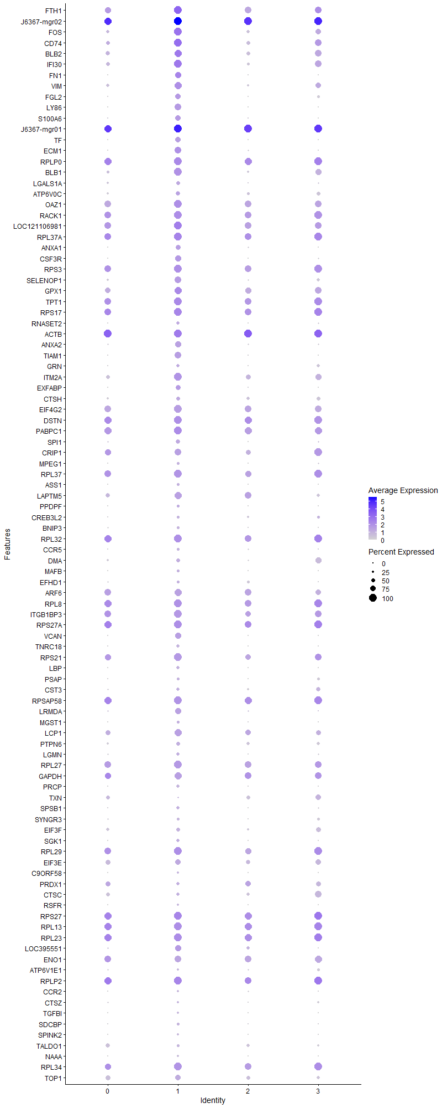
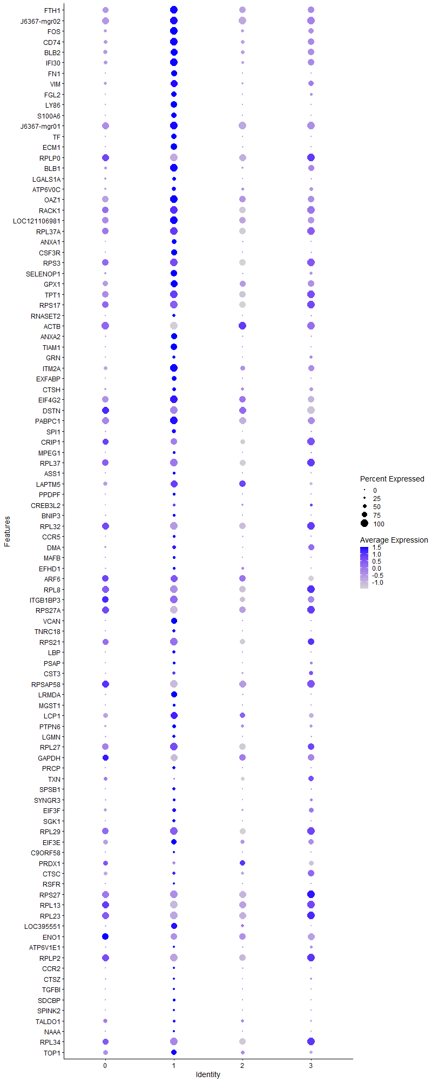
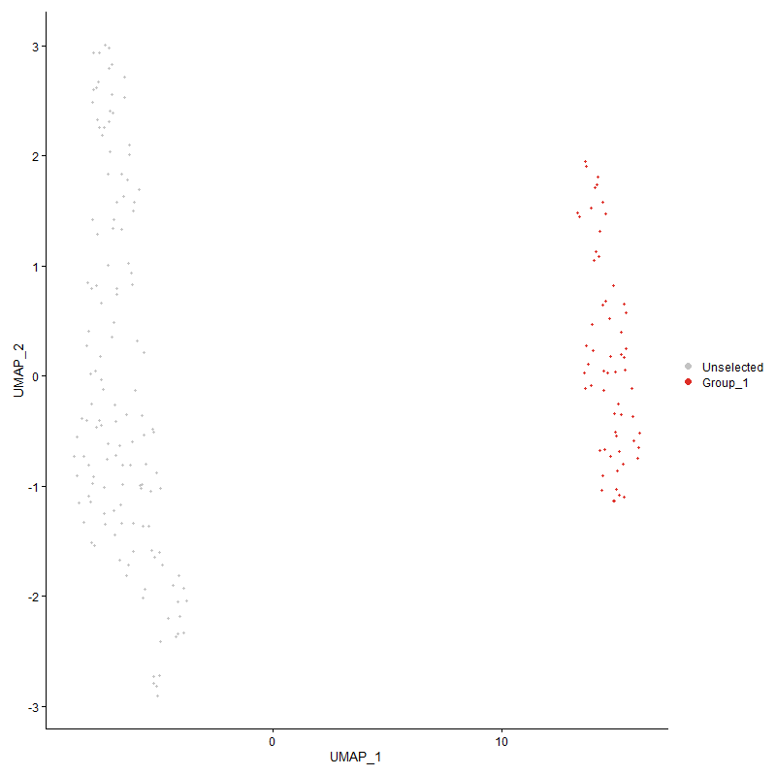
 | p_val | avg_log2FC | pct.1 | pct.2 | p_val_adj | cluster | gene
FTH1 | 1.819001359E-25 | 1.5905577849 | 1 | 0.597 | 2.7777969753E-21 | 1 | FTH1
J6367-mgr021 | 3.2268411596E-22 | 1.5760213758 | 1 | 1 | 4.9277091349E-18 | 1 | J6367-mgr02
FOS | 1.9642257703E-24 | 1.5097256824 | 0.967 | 0.555 | 2.9995691738E-20 | 1 | FOS
CD74 | 1.4555195759E-25 | 1.497864483 | 0.934 | 0.375 | 2.2227239444E-21 | 1 | CD74
BLB2 | 1.2098498019E-26 | 1.4873217419 | 0.885 | 0.334 | 1.8475616325E-22 | 1 | BLB2
IFI30 | 1.4395598019E-23 | 1.3433256712 | 0.967 | 0.481 | 2.1983517736E-19 | 1 | IFI30
FN1 | 9.9016420559E-28 | 1.339212121 | 0.689 | 0.158 | 1.5120797584E-23 | 1 | FN1
VIM | 2.4460776556E-26 | 1.312611706 | 0.836 | 0.32 | 3.7354051878E-22 | 1 | VIM
FGL2 | 2.2817893849E-19 | 1.2693889461 | 0.574 | 0.184 | 3.4845205697E-15 | 1 | FGL2
LY86 | 2.3607268758E-36 | 1.1712259369 | 0.672 | 0.128 | 3.6050660121E-32 | 1 | LY86
S100A6 | 3.5526876763E-24 | 1.1594798041 | 0.574 | 0.139 | 5.4253093505E-20 | 1 | S100A6
J6367-mgr01 | 5.9527987525E-16 | 1.1236699557 | 1 | 0.999 | 9.090518975E-12 | 1 | J6367-mgr01
TF | 1.3386667319E-20 | 1.0874728194 | 0.541 | 0.14 | 2.0442779663E-16 | 1 | TF
ECM1 | 7.3112668816E-17 | 1.0725486506 | 0.623 | 0.2 | 1.1165035655E-12 | 1 | ECM1
RPLP01 | 1.3974666374E-09 | 1.066649834 | 0.836 | 0.602 | 2.1340713019E-05 | 1 | RPLP0
BLB1 | 1.2202430173E-14 | 1.0632039596 | 0.689 | 0.295 | 1.8634331118E-10 | 1 | BLB1
LGALS1A | 7.3977310974E-33 | 1.0308088429 | 0.508 | 0.09 | 1.1297075159E-28 | 1 | LGALS1A
ATP6V0C | 2.1851336027E-12 | 1.026927643 | 0.492 | 0.195 | 3.3369175246E-08 | 1 | ATP6V0C
OAZ1 | 6.5745672732E-10 | 1.0229634708 | 0.689 | 0.462 | 1.0040021683E-05 | 1 | OAZ1
RACK11 | 7.4535358466E-08 | 0.9925716565 | 0.639 | 0.518 | 0.0011382294591 | 1 | RACK1
LOC121106981 | 4.0173293743E-10 | 0.97909966793 | 0.934 | 0.747 | 6.1348636874E-06 | 1 | LOC121106981
RPL37A1 | 1.3165732936E-16 | 0.97358367151 | 0.984 | 0.644 | 2.0105390767E-12 | 1 | RPL37A
ANXA1 | 1.7805036869E-13 | 0.97125310953 | 0.459 | 0.143 | 2.7190071802E-09 | 1 | ANXA1
CSF3R | 1.2308548004E-13 | 0.9660438688 | 0.525 | 0.173 | 1.8796383657E-09 | 1 | CSF3R
RPS31 | 4.4636257823E-11 | 0.95460478606 | 0.738 | 0.54 | 6.8164029322E-07 | 1 | RPS3
SELENOP1 | 6.4782504987E-05 | 0.95104915676 | 0.426 | 0.282 | 0.98929363366 | 1 | SELENOP1
GPX1 | 7.3509012252E-08 | 0.92264516596 | 0.689 | 0.449 | 0.0011225561261 | 1 | GPX1
TPT11 | 1.3933820282E-12 | 0.88723995536 | 0.902 | 0.568 | 2.1278336953E-08 | 1 | TPT1
RPS171 | 1.4908174756E-09 | 0.87852483652 | 0.885 | 0.65 | 2.2766273669E-05 | 1 | RPS17
RNASET2 | 5.8930790714E-08 | 0.87598507468 | 0.377 | 0.163 | 0.00089993210499 | 1 | RNASET2
ACTB1 | 3.4568729013E-12 | 0.85966720295 | 0.984 | 0.687 | 5.2789906076E-08 | 1 | ACTB
ANXA2 | 1.2556301699E-10 | 0.84315710044 | 0.475 | 0.179 | 1.9174728325E-06 | 1 | ANXA2
TIAM1 | 1.9132348109E-12 | 0.82436490729 | 0.574 | 0.223 | 2.9217008798E-08 | 1 | TIAM1
GRN | 1.324156384E-08 | 0.82046845757 | 0.377 | 0.152 | 0.0002022119214 | 1 | GRN
ITM2A | 3.1740163006E-09 | 0.81740372752 | 0.754 | 0.506 | 4.8470402927E-05 | 1 | ITM2A
EXFABP | 2.2980310173E-05 | 0.8147643144 | 0.295 | 0.125 | 0.35093231666 | 1 | EXFABP
CTSH | 6.5222497342E-07 | 0.81431489543 | 0.41 | 0.207 | 0.0099601275692 | 1 | CTSH
EIF4G21 | 6.9667264724E-07 | 0.80970949786 | 0.607 | 0.424 | 0.010638887996 | 1 | EIF4G2
DSTN1 | 1.1567618024E-12 | 0.80930457135 | 0.869 | 0.66 | 1.7664909485E-08 | 1 | DSTN
PABPC11 | 3.1213990476E-09 | 0.80614236894 | 0.836 | 0.676 | 4.7666884856E-05 | 1 | PABPC1
SPI1 | 1.1348232414E-14 | 0.80570719451 | 0.557 | 0.204 | 1.732988572E-10 | 1 | SPI1
CRIP11 | 1.6184851833E-07 | 0.74495039122 | 0.525 | 0.289 | 0.0024715887234 | 1 | CRIP1
MPEG1 | 3.3446511585E-08 | 0.73957023209 | 0.279 | 0.091 | 0.00051076167841 | 1 | MPEG1
RPL371 | 0.00048215350055 | 0.73735614589 | 0.557 | 0.489 | 1 | 1 | RPL37
ASS1 | 5.8064860618E-08 | 0.73472199824 | 0.311 | 0.113 | 0.0008867084865 | 1 | ASS1
LAPTM5 | 2.1326649137E-08 | 0.73104076021 | 0.59 | 0.337 | 0.00032567925897 | 1 | LAPTM5
PPDPF | 1.3507078734E-06 | 0.72671915426 | 0.344 | 0.142 | 0.020626659935 | 1 | PPDPF
CREB3L2 | 5.6891232766E-09 | 0.72556127769 | 0.295 | 0.096 | 8.6878601557E-05 | 1 | CREB3L2
BNIP3 | 2.417866485E-08 | 0.72053339887 | 0.295 | 0.102 | 0.00036923239092 | 1 | BNIP3
RPL321 | 9.7775079785E-05 | 0.71806770697 | 0.623 | 0.541 | 1 | 1 | RPL32
CCR5 | 1.1999305096E-14 | 0.71521919597 | 0.344 | 0.084 | 1.8324138812E-10 | 1 | CCR5
DMA | 7.6322285833E-12 | 0.71431833846 | 0.443 | 0.161 | 1.165517627E-07 | 1 | DMA
MAFB | 9.4444989499E-12 | 0.70825675422 | 0.361 | 0.106 | 1.4422694346E-07 | 1 | MAFB
EFHD1 | 1.6112519286E-09 | 0.7040682323 | 0.361 | 0.132 | 2.4605428202E-05 | 1 | EFHD1
ARF61 | 0.00032347533169 | 0.70165057316 | 0.459 | 0.37 | 1 | 1 | ARF6
RPL81 | 2.2928777706E-05 | 0.69999851685 | 0.754 | 0.573 | 0.35014536434 | 1 | RPL8
ITGB1BP31 | 0.00029350473976 | 0.69781817385 | 0.525 | 0.452 | 1 | 1 | ITGB1BP3
RPS27A1 | 8.4459294716E-07 | 0.69385085289 | 0.869 | 0.616 | 0.012897778896 | 1 | RPS27A
VCAN | 2.8798385877E-17 | 0.68890876054 | 0.557 | 0.143 | 4.3978015073E-13 | 1 | VCAN
TNRC18 | 1.5447175919E-13 | 0.6862079375 | 0.361 | 0.099 | 2.3589382346E-09 | 1 | TNRC18
RPS211 | 5.8498375193E-06 | 0.68418580495 | 0.607 | 0.448 | 0.089332868757 | 1 | RPS21
LBP | 5.0354804829E-12 | 0.68188994236 | 0.41 | 0.126 | 7.6896822454E-08 | 1 | LBP
PSAP | 2.8876601631E-08 | 0.68086465321 | 0.344 | 0.134 | 0.0004409745835 | 1 | PSAP
CST3 | 1.669169684E-05 | 0.67920182869 | 0.344 | 0.169 | 0.25489890244 | 1 | CST3
RPSAP581 | 0.00037520881497 | 0.67875134614 | 0.574 | 0.546 | 1 | 1 | RPSAP58
LRMDA | 1.0181897959E-13 | 0.6685673369 | 0.508 | 0.156 | 1.5548776374E-09 | 1 | LRMDA
MGST1 | 2.2360879289E-08 | 0.66754922761 | 0.344 | 0.127 | 0.00034147298763 | 1 | MGST1
LCP1 | 1.0920881145E-06 | 0.66326264577 | 0.557 | 0.385 | 0.016677277597 | 1 | LCP1
PTPN6 | 3.914045221E-09 | 0.66299918717 | 0.459 | 0.209 | 5.9771384569E-05 | 1 | PTPN6
LGMN | 6.4326842729E-06 | 0.662122037 | 0.393 | 0.214 | 0.098233521532 | 1 | LGMN
RPL271 | 0.026903579174 | 0.66130586419 | 0.475 | 0.466 | 1 | 1 | RPL27
GAPDH1 | 6.934011803E-06 | 0.66054965848 | 0.525 | 0.336 | 0.10588929424 | 1 | GAPDH
PRCP | 3.6600442211E-09 | 0.64909521295 | 0.311 | 0.101 | 5.58925353E-05 | 1 | PRCP
TXN1 | 0.47516348107 | 0.64757884817 | 0.148 | 0.13 | 1 | 1 | TXN
SPSB1 | 7.1935258444E-06 | 0.64624636978 | 0.377 | 0.196 | 0.10985233317 | 1 | SPSB1
SYNGR3 | 2.5791660611E-07 | 0.63683068042 | 0.246 | 0.08 | 0.003938644492 | 1 | SYNGR3
EIF3F | 9.2100336394E-08 | 0.63612911318 | 0.393 | 0.174 | 0.0014064642371 | 1 | EIF3F
SGK1 | 4.089996937E-09 | 0.63205189576 | 0.41 | 0.152 | 6.2458343224E-05 | 1 | SGK1
RPL291 | 2.8752355394E-10 | 0.63039162168 | 0.869 | 0.57 | 4.3907721922E-06 | 1 | RPL29
EIF3E | 0.0012629385882 | 0.62686928424 | 0.41 | 0.287 | 1 | 1 | EIF3E
C9ORF58 | 1.8831028854E-09 | 0.6188756992 | 0.295 | 0.089 | 2.8756864162E-05 | 1 | C9ORF58
PRDX11 | 0.00095427855792 | 0.61027621184 | 0.328 | 0.206 | 1 | 1 | PRDX1
CTSC | 2.0160462413E-05 | 0.60387457798 | 0.41 | 0.224 | 0.30787042152 | 1 | CTSC
RSFR | 1.0305125862E-08 | 0.60291396326 | 0.262 | 0.077 | 0.00015736957704 | 1 | RSFR
RPS271 | 6.3846159212E-06 | 0.60141264334 | 0.918 | 0.748 | 0.097499469733 | 1 | RPS27
RPL131 | 8.8787957682E-05 | 0.59764352456 | 0.82 | 0.663 | 1 | 1 | RPL13
RPL231 | 3.5368113612E-06 | 0.59393585167 | 0.902 | 0.649 | 0.054010646297 | 1 | RPL23
LOC395551 | 3.1234186492E-09 | 0.58995009528 | 0.508 | 0.198 | 4.7697726192E-05 | 1 | LOC395551
ENO11 | 3.5755751062E-05 | 0.58992565502 | 0.508 | 0.354 | 0.54602607447 | 1 | ENO1
ATP6V1E1 | 3.1297406569E-06 | 0.58558903767 | 0.279 | 0.113 | 0.047794269572 | 1 | ATP6V1E1
RPLP21 | 4.2905712896E-05 | 0.58352700619 | 0.934 | 0.709 | 0.65521314164 | 1 | RPLP2
CCR2 | 4.2498755887E-13 | 0.57977231671 | 0.295 | 0.07 | 6.4899850116E-09 | 1 | CCR2
CTSZ | 0.00012166154867 | 0.57702746103 | 0.262 | 0.118 | 1 | 1 | CTSZ
TGFBI | 1.701709699E-06 | 0.57613854507 | 0.246 | 0.086 | 0.025986808813 | 1 | TGFBI
SDCBP | 2.3270052151E-06 | 0.57573898072 | 0.344 | 0.159 | 0.035535696639 | 1 | SDCBP
SPINK2 | 5.8377009385E-12 | 0.57363480441 | 0.246 | 0.053 | 8.9147531032E-08 | 1 | SPINK2
TALDO1 | 5.2871390874E-08 | 0.57122707473 | 0.328 | 0.123 | 0.00080739901004 | 1 | TALDO1
NAAA | 5.423057888E-19 | 0.57053689819 | 0.197 | 0.024 | 8.2815517008E-15 | 1 | NAAA
RPL341 | 0.00044134258786 | 0.56068436307 | 0.623 | 0.533 | 1 | 1 | RPL34
TOP1 | 0.00038524804211 | 0.55820228679 | 0.41 | 0.266 | 1 | 1 | TOP1
APLP2 | 1.8160832437E-08 | 0.55747047281 | 0.426 | 0.178 | 0.00027733407215 | 1 | APLP2
RPL7A1 | 0.00024569786295 | 0.55694618472 | 0.557 | 0.45 | 1 | 1 | RPL7A
RPS241 | 3.3024992084E-05 | 0.55337857975 | 0.803 | 0.605 | 0.50432465411 | 1 | RPS24
WDFY3 | 4.3938174818E-09 | 0.55256826438 | 0.41 | 0.14 | 6.7097986764E-05 | 1 | WDFY3
SKAP2 | 0.087108289264 | 0.55221489588 | 0.41 | 0.365 | 1 | 1 | SKAP2
RPL381 | 0.00019690776857 | 0.55189851844 | 0.557 | 0.447 | 1 | 1 | RPL38
RPL10A1 | 0.011755193167 | 0.53860377829 | 0.475 | 0.421 | 1 | 1 | RPL10A
RPL41 | 1.1120498692E-05 | 0.53513574938 | 0.852 | 0.617 | 0.16982113552 | 1 | RPL4
GSL | 8.4381760415E-06 | 0.52819090989 | 0.246 | 0.093 | 0.12885938633 | 1 | GSL
LOC100857883 | 3.9806139217E-11 | 0.52658369762 | 0.279 | 0.07 | 6.0787955198E-07 | 1 | LOC100857883
RPS3A1 | 4.8482713286E-06 | 0.52614593571 | 0.869 | 0.643 | 0.074037951459 | 1 | RPS3A
EEF1A11 | 1.526105988E-05 | 0.52596920956 | 0.918 | 0.762 | 0.23305164543 | 1 | EEF1A1
RPS61 | 0.005024090537 | 0.52578548798 | 0.492 | 0.428 | 1 | 1 | RPS6
CLU | 1.1958296275E-06 | 0.5217549722 | 0.377 | 0.163 | 0.018261514242 | 1 | CLU
CSF1R | 4.032049648E-08 | 0.52073347276 | 0.344 | 0.124 | 0.00061573430175 | 1 | CSF1R
RPL71 | 0.0014313167881 | 0.51841775666 | 0.557 | 0.48 | 1 | 1 | RPL7
RPLP11 | 0.010469656683 | 0.51362580757 | 0.852 | 0.686 | 1 | 1 | RPLP1
LOC770612 | 0.0026419676235 | 0.50447701925 | 0.426 | 0.323 | 1 | 1 | LOC770612
RPL191 | 0.0023114965939 | 0.50069183162 | 0.541 | 0.498 | 1 | 1 | RPL19
CHD7 | 0.041306390546 | 0.49982395935 | 0.475 | 0.43 | 1 | 1 | CHD7
CD991 | 9.8348217136E-08 | 0.49677333296 | 0.279 | 0.093 | 0.0015018756239 | 1 | CD99
PKLR1 | 0.00024563608772 | 0.49579025302 | 0.344 | 0.199 | 1 | 1 | PKLR
RAP1A | 0.12039023037 | 0.49468334234 | 0.41 | 0.407 | 1 | 1 | RAP1A
LSP1P11 | 0.038085109721 | 0.49398766585 | 0.459 | 0.419 | 1 | 1 | LSP1P1
RPS111 | 0.0018321726905 | 0.48981072469 | 0.672 | 0.561 | 1 | 1 | RPS11
RPL361 | 0.0304796264 | 0.48663236985 | 0.443 | 0.402 | 1 | 1 | RPL36
MTSS1 | 0.00053200384888 | 0.48438506967 | 0.213 | 0.092 | 1 | 1 | MTSS1
LOC101750635 | 0.0010112760096 | 0.4843106015 | 0.246 | 0.125 | 1 | 1 | LOC101750635
LASP1 | 5.8005582056E-07 | 0.48367220953 | 0.344 | 0.144 | 0.0088580324357 | 1 | LASP1
KCTD12 | 2.8484829704E-06 | 0.48058973965 | 0.246 | 0.089 | 0.043499183441 | 1 | KCTD12
GATD3AL1 | 0.0011256664191 | 0.47516161274 | 0.213 | 0.104 | 1 | 1 | GATD3AL1
ZEB2 | 1.1804254361E-09 | 0.47356050649 | 0.721 | 0.295 | 1.8026276835E-05 | 1 | ZEB2
RPS251 | 0.0046777608944 | 0.47331758868 | 0.508 | 0.452 | 1 | 1 | RPS25
TIMP2 | 0.00031502177276 | 0.47251287997 | 0.262 | 0.13 | 1 | 1 | TIMP2
FCER1G | 0.0062931500392 | 0.47210227801 | 0.18 | 0.091 | 1 | 1 | FCER1G
SMAP2 | 8.3440805329E-05 | 0.46776791209 | 0.475 | 0.31 | 1 | 1 | SMAP2
EMB | 0.00011157727017 | 0.46714099693 | 0.262 | 0.119 | 1 | 1 | EMB
GAS7 | 0.00033511727403 | 0.46673787489 | 0.295 | 0.147 | 1 | 1 | GAS7
RAB1B | 0.061350175044 | 0.46528908002 | 0.377 | 0.331 | 1 | 1 | RAB1B
S100A11 | 0.0037041106235 | 0.46376936149 | 0.262 | 0.155 | 1 | 1 | S100A11
GNS | 0.011584807498 | 0.46131909025 | 0.344 | 0.255 | 1 | 1 | GNS
RPL211 | 2.8510743103E-05 | 0.46037241748 | 0.918 | 0.716 | 0.43538755793 | 1 | RPL21
COX4I11 | 0.0040341802267 | 0.4599058556 | 0.361 | 0.251 | 1 | 1 | COX4I1
RPL39L1 | 0.00051042269277 | 0.45811122986 | 0.82 | 0.682 | 1 | 1 | RPL39L
EEF1D1 | 0.0046265501257 | 0.45754242272 | 0.459 | 0.378 | 1 | 1 | EEF1D
RPS231 | 0.037480414354 | 0.45478330659 | 0.508 | 0.503 | 1 | 1 | RPS23
LOC121106980 | 0.0010769515566 | 0.45232634005 | 0.262 | 0.142 | 1 | 1 | LOC121106980
LAPTM4A | 0.0017446633683 | 0.45070281367 | 0.426 | 0.281 | 1 | 1 | LAPTM4A
CTSS | 3.9091605132E-05 | 0.44972500208 | 0.393 | 0.211 | 0.59696790197 | 1 | CTSS
SLC7A6 | 0.012905042711 | 0.44820639317 | 0.426 | 0.356 | 1 | 1 | SLC7A6
KCNB2 | 0.0018675133139 | 0.44726200802 | 0.213 | 0.097 | 1 | 1 | KCNB2
ATP5E1 | 0.00071158675259 | 0.44702419381 | 0.295 | 0.167 | 1 | 1 | ATP5E
S100A12 | 0.096971433959 | 0.4468790769 | 0.164 | 0.104 | 1 | 1 | S100A12
EMP1 | 8.0281802843E-05 | 0.44602420835 | 0.262 | 0.112 | 1 | 1 | EMP1
RPS101 | 0.0021906692334 | 0.44556563107 | 0.721 | 0.609 | 1 | 1 | RPS10
TMEM144 | 0.00038049688881 | 0.44277385557 | 0.131 | 0.043 | 1 | 1 | TMEM144
PLXND1 | 0.0098329010877 | 0.44204866441 | 0.279 | 0.185 | 1 | 1 | PLXND1
AVD | 2.0767158732E-06 | 0.44161485548 | 0.18 | 0.051 | 0.0317135281 | 1 | AVD
NME21 | 0.25104556245 | 0.44100361714 | 0.344 | 0.354 | 1 | 1 | NME2
BF2 | 2.5713855901E-06 | 0.43957752715 | 0.951 | 0.701 | 0.039267629347 | 1 | BF2
RNF220 | 0.92134952445 | 0.4382698157 | 0.197 | 0.247 | 1 | 1 | RNF220
VMP1 | 0.0017951122339 | 0.43805119473 | 0.295 | 0.175 | 1 | 1 | VMP1
TLR7 | 1.4814201375E-05 | 0.43742949911 | 0.18 | 0.058 | 0.22622766919 | 1 | TLR7
LOC428421 | 3.3747765544E-17 | 0.4365281229 | 0.197 | 0.026 | 5.1536212763E-13 | 1 | LOC428421
ANKRD13A | 0.0014220920147 | 0.43494981119 | 0.328 | 0.202 | 1 | 1 | ANKRD13A
MYOF | 0.028367415859 | 0.43311570771 | 0.164 | 0.092 | 1 | 1 | MYOF
ARPC1B1 | 0.0031834436441 | 0.43289435631 | 0.361 | 0.251 | 1 | 1 | ARPC1B
SPCS2 | 0.00049549779036 | 0.43238244464 | 0.18 | 0.074 | 1 | 1 | SPCS2
CTSV | 1.8763401165E-05 | 0.43205891601 | 0.164 | 0.05 | 0.28653589919 | 1 | CTSV
H3F3B1 | 0.00022263144369 | 0.43121944979 | 0.918 | 0.765 | 1 | 1 | H3F3B
COX6A11 | 0.0098078987045 | 0.43113332949 | 0.344 | 0.24 | 1 | 1 | COX6A1
RPL61 | 0.00018638922662 | 0.42687796617 | 0.77 | 0.592 | 1 | 1 | RPL6
FKBP1A1 | 1.7072702824E-06 | 0.42650432353 | 0.279 | 0.102 | 0.026071724483 | 1 | FKBP1A
...

Cluster2
...
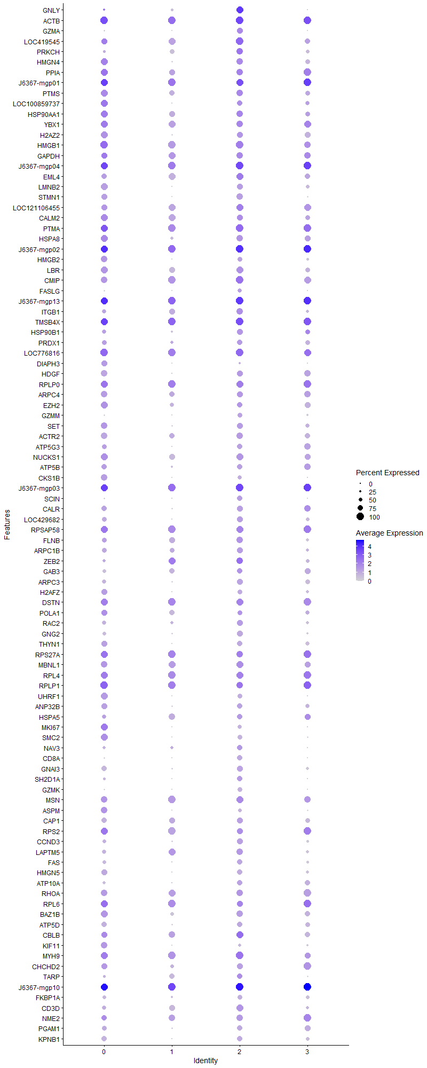
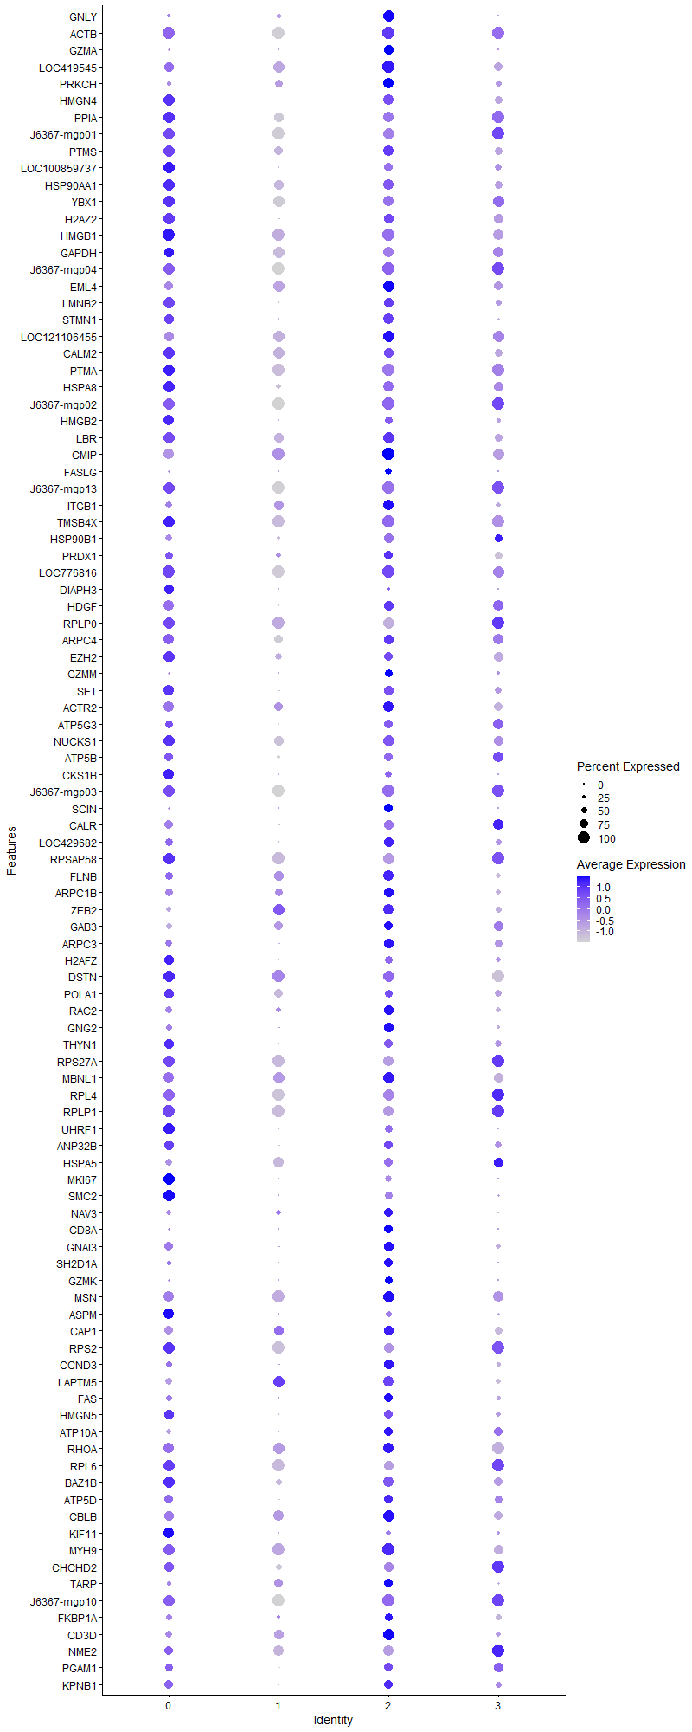
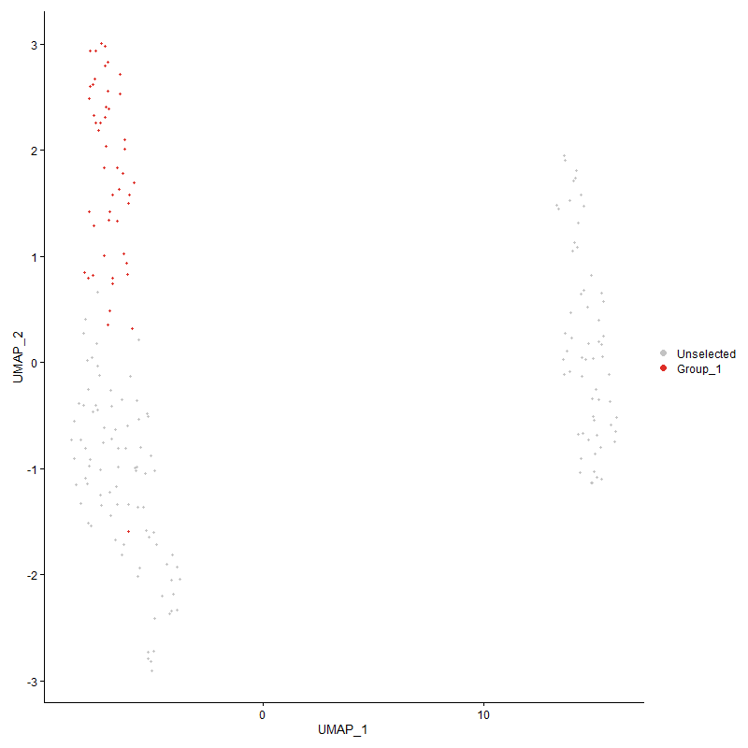
...

Cluster3
...



