Clustered cells
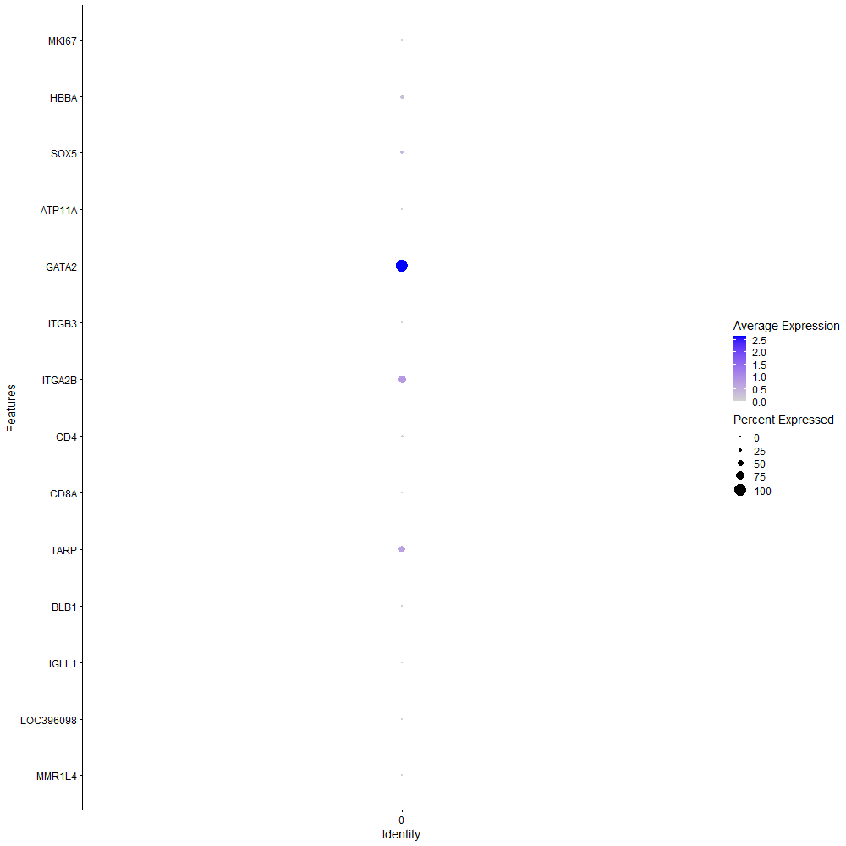
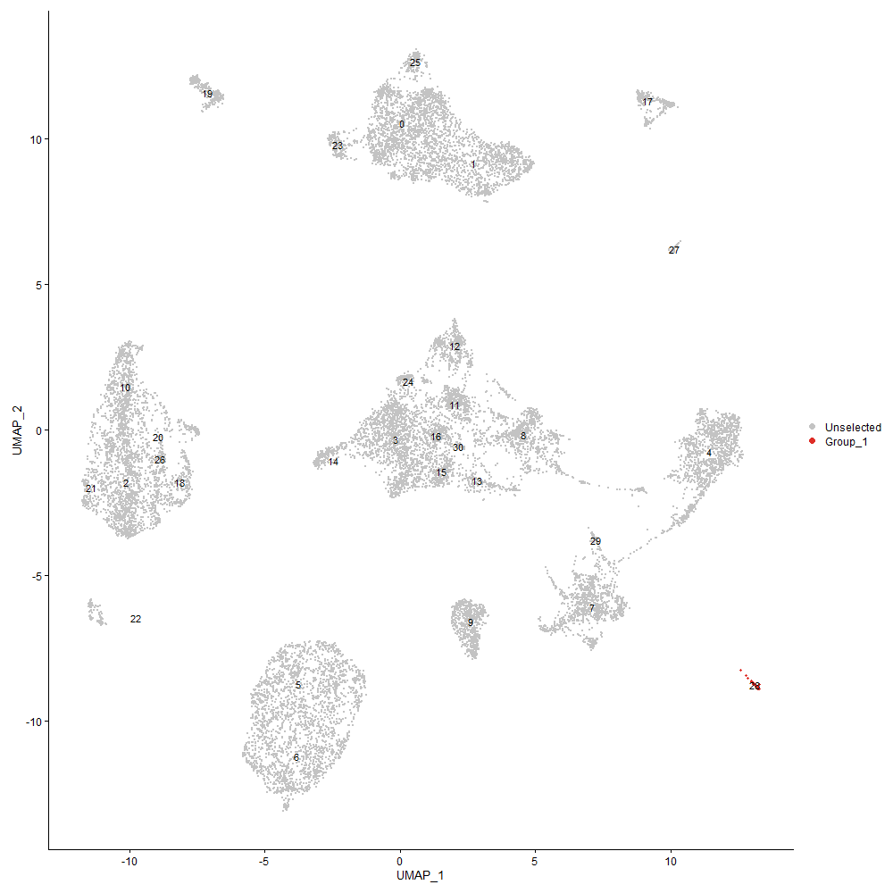
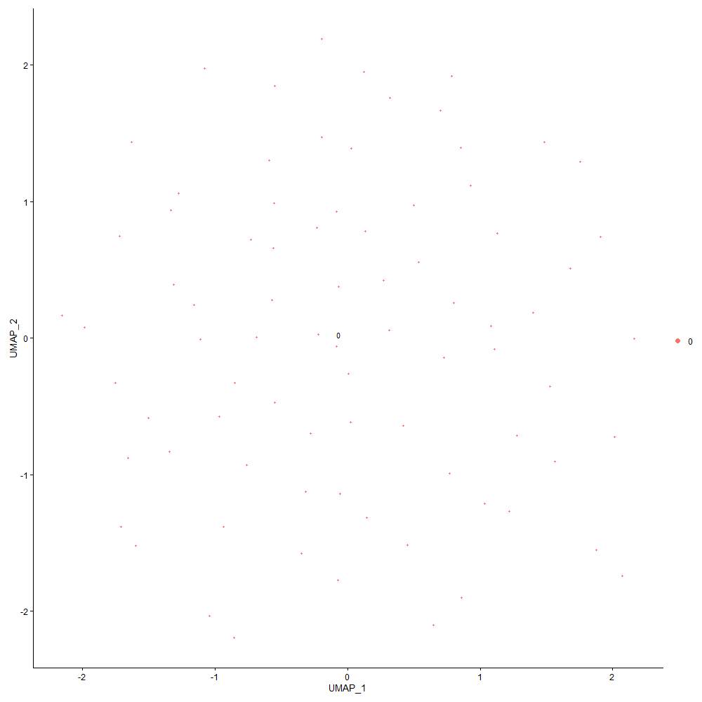
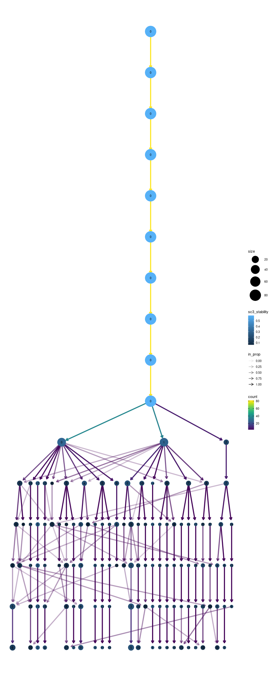

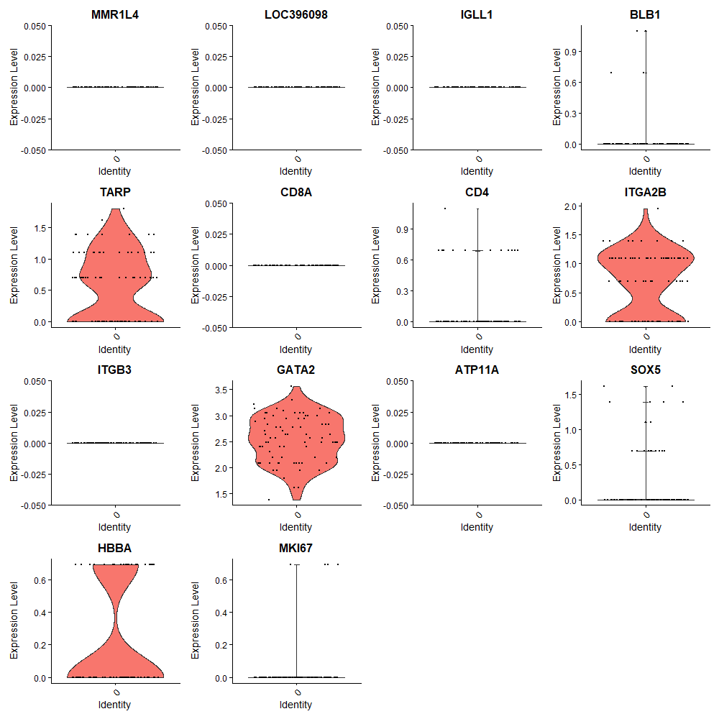

Cluster0
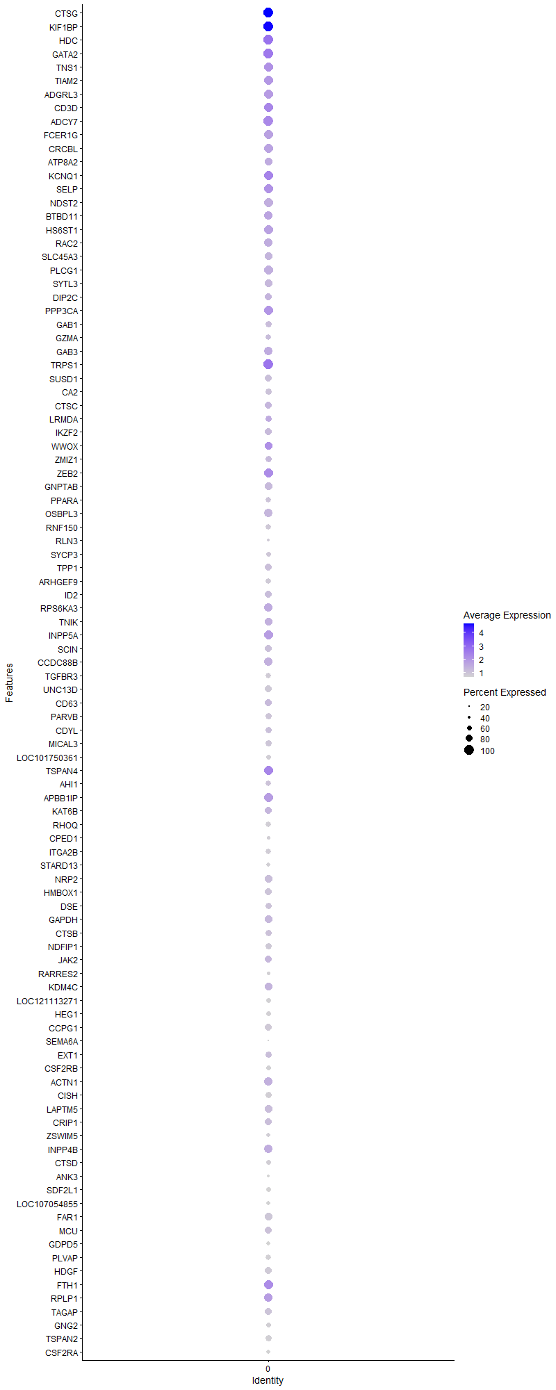
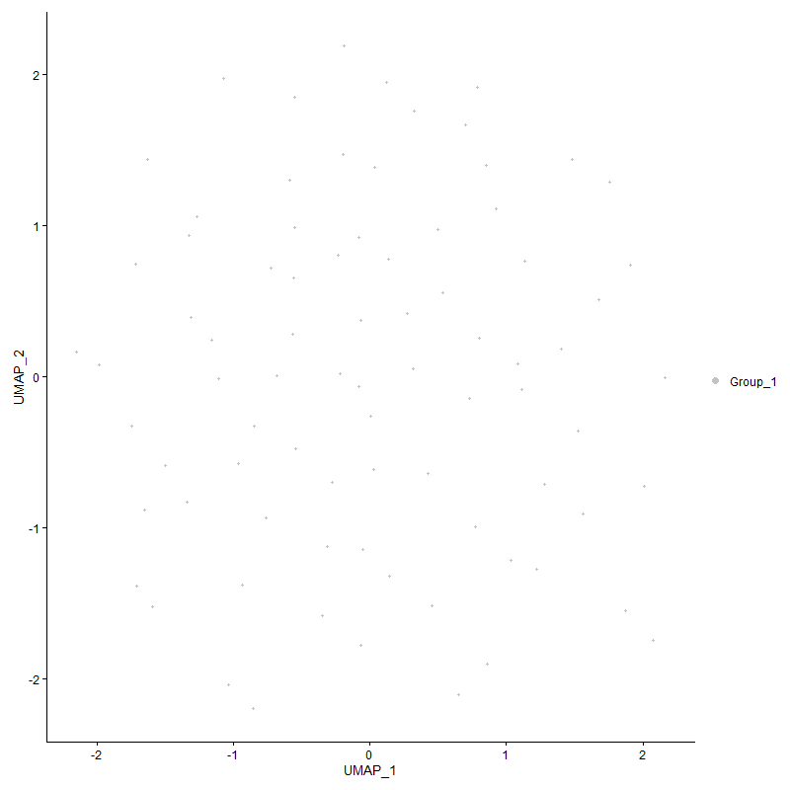
 | p_val | avg_log2FC | pct.1 | pct.2 | p_val_adj | cluster | gene
CTSG | 0 | 6.6141170618 | 1 | 0.032 | 0 | 0 | CTSG
KIF1BP | 1.6209851612E-55 | 5.0915002922 | 1 | 0.709 | 2.4754064397E-51 | 0 | KIF1BP
HDC | 0 | 3.9479337072 | 1 | 0.005 | 0 | 0 | HDC
GATA2 | 3.6436715613E-295 | 3.6778200609 | 1 | 0.059 | 5.5642508413E-291 | 0 | GATA2
TNS1 | 1.3749252785E-183 | 2.8133326683 | 0.975 | 0.096 | 2.0996483928E-179 | 0 | TNS1
TIAM2 | 4.25100011E-237 | 2.6690800027 | 0.963 | 0.068 | 6.491702268E-233 | 0 | TIAM2
ADGRL3 | 0 | 2.6645694843 | 0.938 | 0.004 | 0 | 0 | ADGRL3
CD3D | 2.7722877889E-60 | 2.5669905172 | 0.938 | 0.345 | 4.2335606824E-56 | 0 | CD3D
ADCY7 | 1.8107035796E-67 | 2.4976201344 | 1 | 0.374 | 2.7651254365E-63 | 0 | ADCY7
FCER1G | 1.3143055822E-190 | 2.3309689595 | 0.963 | 0.088 | 2.0070760546E-186 | 0 | FCER1G
CRCBL | 1.4711650241E-207 | 2.311360327 | 0.963 | 0.079 | 2.2466161083E-203 | 0 | CRCBL
ATP8A2 | 0 | 2.1872053049 | 0.84 | 0.005 | 0 | 0 | ATP8A2
KCNQ1 | 9.7146750862E-78 | 2.1580728899 | 0.963 | 0.187 | 1.4835280324E-73 | 0 | KCNQ1
SELP | 1.0698338321E-55 | 2.0874476727 | 0.975 | 0.448 | 1.633743245E-51 | 0 | SELP
NDST2 | 1.9035674425E-127 | 1.8360192442 | 0.963 | 0.127 | 2.9069378414E-123 | 0 | NDST2
BTBD11 | 1.6935464075E-69 | 1.8249657456 | 0.889 | 0.198 | 2.5862147189E-65 | 0 | BTBD11
HS6ST1 | 9.6851416375E-57 | 1.7447924516 | 0.963 | 0.317 | 1.4790179795E-52 | 0 | HS6ST1
RAC2 | 5.9488583916E-66 | 1.721621661 | 0.926 | 0.251 | 9.0845016497E-62 | 0 | RAC2
SLC45A3 | 4.1094007187E-121 | 1.7157892162 | 0.852 | 0.103 | 6.2754658375E-117 | 0 | SLC45A3
PLCG1 | 9.4619709108E-65 | 1.609712522 | 0.938 | 0.259 | 1.4449375778E-60 | 0 | PLCG1
SYTL3 | 3.9297531053E-150 | 1.5691273285 | 0.864 | 0.079 | 6.001125967E-146 | 0 | SYTL3
DIP2C | 1.9291242734E-68 | 1.5563973667 | 0.753 | 0.13 | 2.9459656779E-64 | 0 | DIP2C
PPP3CA | 3.3080245665E-36 | 1.5499672983 | 0.963 | 0.48 | 5.0516843155E-32 | 0 | PPP3CA
GAB1 | 1.4301215815E-202 | 1.5426556244 | 0.741 | 0.043 | 2.1839386671E-198 | 0 | GAB1
GZMA | 4.6155186017E-180 | 1.5407290914 | 0.617 | 0.033 | 7.0483584566E-176 | 0 | GZMA
GAB3 | 2.1854364993E-55 | 1.498504799 | 0.914 | 0.249 | 3.337380078E-51 | 0 | GAB3
TRPS1 | 1.7003880612E-31 | 1.4888990546 | 1 | 0.736 | 2.5966626082E-27 | 0 | TRPS1
SUSD1 | 3.5257611689E-248 | 1.4722203135 | 0.802 | 0.041 | 5.384189881E-244 | 0 | SUSD1
CA2 | 0 | 1.454533813 | 0.679 | 0.014 | 0 | 0 | CA2
CTSC | 3.7819220662E-49 | 1.4512923666 | 0.802 | 0.222 | 5.7753731874E-45 | 0 | CTSC
LRMDA | 2.0703355357E-44 | 1.4488542548 | 0.716 | 0.155 | 3.1616093965E-40 | 0 | LRMDA
IKZF2 | 1.0353469904E-132 | 1.4474847199 | 0.79 | 0.074 | 1.581078389E-128 | 0 | IKZF2
WWOX | 2.5303257623E-22 | 1.3945654807 | 0.84 | 0.37 | 3.8640604716E-18 | 0 | WWOX
ZMIZ1 | 8.9340444564E-59 | 1.3475477953 | 0.728 | 0.135 | 1.3643179289E-54 | 0 | ZMIZ1
ZEB2 | 5.3478474998E-35 | 1.3075020191 | 0.951 | 0.294 | 8.166697917E-31 | 0 | ZEB2
GNPTAB | 2.3823585774E-43 | 1.2955653468 | 0.815 | 0.24 | 3.6380997836E-39 | 0 | GNPTAB
PPARA | 2.5391981642E-74 | 1.2645629801 | 0.654 | 0.089 | 3.8776095166E-70 | 0 | PPARA
OSBPL3 | 3.4720338946E-44 | 1.2573006661 | 0.889 | 0.263 | 5.3021429605E-40 | 0 | OSBPL3
RNF150 | 0 | 1.2534130581 | 0.63 | 0.019 | 0 | 0 | RNF150
RLN3 | 0 | 1.2283802262 | 0.407 | 0 | 0 | 0 | RLN3
SYCP3 | 4.8820479616E-105 | 1.2263543658 | 0.58 | 0.051 | 7.4553754421E-101 | 0 | SYCP3
TPP1 | 3.7899619767E-47 | 1.2191467079 | 0.765 | 0.198 | 5.7876509346E-43 | 0 | TPP1
ARHGEF9 | 0 | 1.2090180646 | 0.667 | 0.013 | 0 | 0 | ARHGEF9
ID2 | 1.6254765252E-36 | 1.203014345 | 0.765 | 0.234 | 2.4822652016E-32 | 0 | ID2
RPS6KA3 | 4.0886844899E-31 | 1.1784417387 | 0.926 | 0.493 | 6.2438300845E-27 | 0 | RPS6KA3
TNIK | 4.436968319E-27 | 1.1773362033 | 0.827 | 0.428 | 6.7756943199E-23 | 0 | TNIK
INPP5A | 2.7337607542E-30 | 1.1720926832 | 0.975 | 0.504 | 4.1747260478E-26 | 0 | INPP5A
SCIN | 1.8925852879E-49 | 1.1621465325 | 0.778 | 0.188 | 2.8901669931E-45 | 0 | SCIN
CCDC88B | 4.8995199206E-29 | 1.1608155245 | 0.914 | 0.482 | 7.4820568708E-25 | 0 | CCDC88B
TGFBR3 | 0 | 1.158028091 | 0.642 | 0.016 | 0 | 0 | TGFBR3
UNC13D | 3.8434316401E-107 | 1.1330441376 | 0.765 | 0.088 | 5.8693044576E-103 | 0 | UNC13D
CD63 | 2.907450702E-27 | 1.1296427557 | 0.778 | 0.335 | 4.4399679671E-23 | 0 | CD63
PARVB | 1.7334042509E-84 | 1.1285823823 | 0.741 | 0.097 | 2.6470816315E-80 | 0 | PARVB
CDYL | 2.8750720395E-40 | 1.1253350064 | 0.716 | 0.177 | 4.3905225115E-36 | 0 | CDYL
MICAL3 | 1.8354715615E-76 | 1.1208529246 | 0.691 | 0.093 | 2.8029486216E-72 | 0 | MICAL3
LOC101750361 | 0 | 1.1184693163 | 0.605 | 0 | 0 | 0 | LOC101750361
TSPAN4 | 1.178838915E-22 | 1.1095200087 | 0.988 | 0.784 | 1.800204907E-18 | 0 | TSPAN4
AHI1 | 1.0560879415E-38 | 1.1040494193 | 0.667 | 0.166 | 1.6127518954E-34 | 0 | AHI1
APBB1IP | 4.2133060603E-21 | 1.1025903264 | 0.963 | 0.655 | 6.4341396846E-17 | 0 | APBB1IP
KAT6B | 3.1270476116E-22 | 1.0939100223 | 0.778 | 0.357 | 4.7753144077E-18 | 0 | KAT6B
RHOQ | 0 | 1.0913853393 | 0.654 | 0.013 | 0 | 0 | RHOQ
CPED1 | 0 | 1.0877681729 | 0.469 | 0.006 | 0 | 0 | CPED1
ITGA2B | 6.5272575073E-259 | 1.0802613688 | 0.654 | 0.025 | 9.9677749393E-255 | 0 | ITGA2B
STARD13 | 0 | 1.0760948178 | 0.494 | 0.007 | 0 | 0 | STARD13
NRP2 | 4.6044191652E-46 | 1.0760668396 | 0.815 | 0.199 | 7.0314085072E-42 | 0 | NRP2
HMBOX1 | 4.3507777287E-48 | 1.0732421643 | 0.765 | 0.175 | 6.6440726695E-44 | 0 | HMBOX1
DSE | 3.0131509267E-47 | 1.0694319989 | 0.691 | 0.145 | 4.6013827802E-43 | 0 | DSE
GAPDH | 2.1784626766E-29 | 1.0555466416 | 0.852 | 0.334 | 3.3267303534E-25 | 0 | GAPDH
CTSB | 2.4236955134E-37 | 1.0408501259 | 0.728 | 0.194 | 3.7012254185E-33 | 0 | CTSB
NDFIP1 | 4.4742788271E-49 | 1.0386794381 | 0.691 | 0.147 | 6.8326711968E-45 | 0 | NDFIP1
JAK2 | 8.2786173669E-22 | 1.0365541605 | 0.802 | 0.371 | 1.2642276581E-17 | 0 | JAK2
RARRES2 | 0 | 1.0296364873 | 0.444 | 0.003 | 0 | 0 | RARRES2
KDM4C | 5.5150112658E-24 | 1.0215589045 | 0.84 | 0.385 | 8.421973704E-20 | 0 | KDM4C
LOC121113271 | 0 | 1.0082791143 | 0.605 | 0 | 0 | 0 | LOC121113271
HEG1 | 2.5803504783E-243 | 1.0079276994 | 0.568 | 0.02 | 3.9404532155E-239 | 0 | HEG1
CCPG1 | 1.3992825343E-59 | 0.99078572696 | 0.79 | 0.155 | 2.1368443581E-55 | 0 | CCPG1
SEMA6A | 0 | 0.990125643 | 0.173 | 0.001 | 0 | 0 | SEMA6A
EXT1 | 2.8274034104E-23 | 0.98819049915 | 0.691 | 0.265 | 4.317727748E-19 | 0 | EXT1
CSF2RB | 0 | 0.98679348632 | 0.593 | 0.012 | 0 | 0 | CSF2RB
ACTN1 | 3.4622069208E-21 | 0.96948553177 | 0.901 | 0.513 | 5.2871361887E-17 | 0 | ACTN1
CISH | 5.0008127044E-145 | 0.96074154912 | 0.691 | 0.05 | 7.6367410809E-141 | 0 | CISH
LAPTM5 | 2.5678766938E-29 | 0.95086129839 | 0.852 | 0.336 | 3.9214044992E-25 | 0 | LAPTM5
CRIP1 | 1.6988448248E-24 | 0.93827703927 | 0.765 | 0.288 | 2.594305932E-20 | 0 | CRIP1
ZSWIM5 | 4.0955495111E-52 | 0.93626217466 | 0.543 | 0.081 | 6.2543136583E-48 | 0 | ZSWIM5
INPP4B | 2.4411297694E-22 | 0.93556368771 | 0.877 | 0.371 | 3.7278492708E-18 | 0 | INPP4B
CTSD | 1.8356487274E-52 | 0.9311061881 | 0.605 | 0.104 | 2.8032191716E-48 | 0 | CTSD
ANK3 | 0 | 0.93100118147 | 0.37 | 0.006 | 0 | 0 | ANK3
SDF2L1 | 2.6253996749E-179 | 0.92786868828 | 0.58 | 0.029 | 4.0092478435E-175 | 0 | SDF2L1
LOC107054855 | 1.441521062E-116 | 0.9243592375 | 0.494 | 0.033 | 2.2013468138E-112 | 0 | LOC107054855
FAR1 | 6.1372435878E-40 | 0.92377967881 | 0.815 | 0.244 | 9.372184683E-36 | 0 | FAR1
MCU | 8.1719188937E-31 | 0.92099142793 | 0.765 | 0.239 | 1.2479337343E-26 | 0 | MCU
GDPD5 | 2.8855189078E-143 | 0.92059267767 | 0.494 | 0.026 | 4.4064759241E-139 | 0 | GDPD5
PLVAP | 7.0767415365E-94 | 0.91826634564 | 0.642 | 0.067 | 1.0806892E-89 | 0 | PLVAP
HDGF | 7.7805621112E-46 | 0.91139440972 | 0.802 | 0.203 | 1.18816964E-41 | 0 | HDGF
FTH1 | 8.9908085249E-25 | 0.89850488557 | 0.975 | 0.597 | 1.3729863698E-20 | 0 | FTH1
RPLP1 | 1.8425802059E-16 | 0.896461559 | 0.926 | 0.685 | 2.8138042325E-12 | 0 | RPLP1
TAGAP | 4.3041462135E-31 | 0.89635777571 | 0.765 | 0.259 | 6.5728616826E-27 | 0 | TAGAP
GNG2 | 4.9694580082E-42 | 0.8942903837 | 0.556 | 0.107 | 7.5888593243E-38 | 0 | GNG2
TSPAN2 | 6.663950538E-68 | 0.88904831259 | 0.716 | 0.112 | 1.0176518867E-63 | 0 | TSPAN2
CSF2RA | 4.1412571209E-66 | 0.88543827556 | 0.519 | 0.061 | 6.3241137493E-62 | 0 | CSF2RA
SLC18A2 | 9.4901169766E-198 | 0.88359847018 | 0.444 | 0.015 | 1.4492357635E-193 | 0 | SLC18A2
ELF1 | 1.9251999266E-17 | 0.86218835524 | 0.889 | 0.606 | 2.9399728079E-13 | 0 | ELF1
CD3E | 6.3757042486E-22 | 0.85852028862 | 0.741 | 0.308 | 9.7363379581E-18 | 0 | CD3E
RAB27A | 7.3611914678E-46 | 0.85810532391 | 0.58 | 0.107 | 1.1241275491E-41 | 0 | RAB27A
LOC420160 | 1.8631561548E-34 | 0.84979840136 | 0.605 | 0.147 | 2.845225764E-30 | 0 | LOC420160
LOC121107450 | 0 | 0.84971779539 | 0.383 | 0 | 0 | 0 | LOC121107450
LOC107053194 | 5.970619678E-71 | 0.84566018455 | 0.605 | 0.073 | 9.1177333102E-67 | 0 | LOC107053194
DAPP1 | 1.2421053158E-29 | 0.84452193089 | 0.642 | 0.179 | 1.8968190278E-25 | 0 | DAPP1
SAT1 | 1.8667414912E-23 | 0.84116790253 | 0.765 | 0.306 | 2.8507009312E-19 | 0 | SAT1
CREB3L1 | 6.5538773003E-138 | 0.82423367085 | 0.531 | 0.032 | 1.0008426025E-133 | 0 | CREB3L1
RPS20 | 3.7555709902E-14 | 0.82328727368 | 0.84 | 0.528 | 5.7351324592E-10 | 0 | RPS20
LOC421232 | 0 | 0.80741700953 | 0.457 | 0.001 | 0 | 0 | LOC421232
ARHGEF12 | 8.4410768466E-25 | 0.80737393335 | 0.802 | 0.306 | 1.2890368452E-20 | 0 | ARHGEF12
SLC16A3 | 1.4078496483E-51 | 0.79715715825 | 0.605 | 0.098 | 2.149927198E-47 | 0 | SLC16A3
SYNGAP1 | 7.3926174655E-19 | 0.79188586388 | 0.765 | 0.311 | 1.1289266132E-14 | 0 | SYNGAP1
MCTP1 | 9.8582121943E-22 | 0.7899288693 | 0.63 | 0.209 | 1.5054475842E-17 | 0 | MCTP1
RAPGEF2 | 5.5896575874E-21 | 0.78887776651 | 0.988 | 0.645 | 8.5359661018E-17 | 0 | RAPGEF2
UCK1 | 5.427553178E-147 | 0.78217576671 | 0.494 | 0.026 | 8.2884164581E-143 | 0 | UCK1
LOC101747500 | 1.4326759924E-138 | 0.78075903115 | 0.457 | 0.023 | 2.1878395079E-134 | 0 | LOC101747500
PTPRE | 2.1275555604E-30 | 0.77721026792 | 0.519 | 0.118 | 3.2489900962E-26 | 0 | PTPRE
MAN1A1 | 1.2563175919E-16 | 0.76998327057 | 1 | 0.881 | 1.9185225946E-12 | 0 | MAN1A1
LHFPL2 | 1.4890097426E-84 | 0.7697229183 | 0.37 | 0.024 | 2.273866778E-80 | 0 | LHFPL2
GNAI2 | 3.1987250822E-14 | 0.76683109118 | 0.679 | 0.366 | 4.884773073E-10 | 0 | GNAI2
ADGB | 4.1689699754E-75 | 0.76129656118 | 0.407 | 0.034 | 6.3664340495E-71 | 0 | ADGB
SERPINE2 | 5.019488913E-36 | 0.75286266316 | 0.494 | 0.092 | 7.665261519E-32 | 0 | SERPINE2
CALM2 | 6.5248451577E-16 | 0.74901259796 | 0.704 | 0.369 | 9.9640910403E-12 | 0 | CALM2
TSC22D4 | 1.7877774336E-15 | 0.74825841147 | 0.914 | 0.558 | 2.7301149188E-11 | 0 | TSC22D4
FBXL2 | 3.7075207189E-22 | 0.74459915806 | 0.531 | 0.157 | 5.6617548898E-18 | 0 | FBXL2
LANCL3 | 0 | 0.74163363189 | 0.42 | 0.003 | 0 | 0 | LANCL3
RUNX2 | 1.4709190606E-26 | 0.73956681697 | 0.691 | 0.205 | 2.2462404975E-22 | 0 | RUNX2
ITM2A | 5.7332762268E-16 | 0.73719987178 | 0.84 | 0.505 | 8.7552861259E-12 | 0 | ITM2A
BF2 | 4.3187376986E-14 | 0.73539547693 | 0.963 | 0.701 | 6.5951443396E-10 | 0 | BF2
LDB1 | 7.9372672681E-32 | 0.72856173654 | 0.617 | 0.157 | 1.2121000845E-27 | 0 | LDB1
SREBF2 | 3.2584315925E-16 | 0.72646207345 | 0.741 | 0.387 | 4.9759508849E-12 | 0 | SREBF2
BF1 | 7.1384953067E-16 | 0.72447488057 | 0.901 | 0.575 | 1.0901196183E-11 | 0 | BF1
AGO2 | 1.6010567581E-22 | 0.72375908049 | 0.531 | 0.161 | 2.4449737753E-18 | 0 | AGO2
LRBA | 5.1287515551E-13 | 0.71762309468 | 0.975 | 0.793 | 7.8321164997E-09 | 0 | LRBA
TBXAS1 | 5.9000769625E-20 | 0.71533990101 | 0.802 | 0.305 | 9.0100075294E-16 | 0 | TBXAS1
BTK | 2.2613617192E-26 | 0.70616456393 | 0.481 | 0.117 | 3.4533254814E-22 | 0 | BTK
RPL34 | 4.9519431748E-11 | 0.70197556169 | 0.815 | 0.532 | 7.5621124222E-07 | 0 | RPL34
PPIB | 1.5604109289E-21 | 0.69832564031 | 0.617 | 0.213 | 2.3829035295E-17 | 0 | PPIB
FLI1 | 7.6591851467E-18 | 0.69396500332 | 0.815 | 0.412 | 1.1696341638E-13 | 0 | FLI1
EMB | 2.7432147132E-28 | 0.69255616327 | 0.506 | 0.118 | 4.1891631885E-24 | 0 | EMB
THBD | 0 | 0.69134925675 | 0.395 | 0.001 | 0 | 0 | THBD
PNRC1 | 9.87808654E-16 | 0.68930204112 | 0.951 | 0.685 | 1.5084825955E-11 | 0 | PNRC1
LOC378902 | 8.6893182701E-67 | 0.68193890479 | 0.42 | 0.04 | 1.326945793E-62 | 0 | LOC378902
UBB | 1.9804347421E-13 | 0.67609928667 | 0.642 | 0.326 | 3.0243218947E-09 | 0 | UBB
TMEM119 | 4.1432442041E-50 | 0.67403494919 | 0.531 | 0.082 | 6.3271482241E-46 | 0 | TMEM119
UBE2F | 4.7077156283E-19 | 0.66872464861 | 0.531 | 0.174 | 7.1891525359E-15 | 0 | UBE2F
PXK | 3.6251194545E-26 | 0.66703649048 | 0.556 | 0.148 | 5.535919919E-22 | 0 | PXK
FUT8 | 1.6488426234E-16 | 0.66606003888 | 0.667 | 0.284 | 2.5179475702E-12 | 0 | FUT8
CD200 | 1.6560294578E-78 | 0.66531662462 | 0.42 | 0.034 | 2.5289225851E-74 | 0 | CD200
SLC25A6 | 5.2073010836E-20 | 0.66273686322 | 0.642 | 0.244 | 7.9520694847E-16 | 0 | SLC25A6
POLD4 | 2.2867306042E-21 | 0.6611635529 | 0.691 | 0.254 | 3.4920663057E-17 | 0 | POLD4
TSHZ3 | 0 | 0.65969820861 | 0.346 | 0.004 | 0 | 0 | TSHZ3
MYB | 3.0860510681E-111 | 0.6558998833 | 0.395 | 0.021 | 4.7127085862E-107 | 0 | MYB
KMT2E | 1.8461620596E-08 | 0.6549826566 | 0.765 | 0.587 | 0.00028192740812 | 0 | KMT2E
BASP1 | 1.3721997705E-14 | 0.65364774294 | 0.667 | 0.292 | 2.0954862695E-10 | 0 | BASP1
NAXD | 4.4282934022E-25 | 0.65156856882 | 0.457 | 0.108 | 6.7624468545E-21 | 0 | NAXD
LAMP1 | 2.359415263E-18 | 0.64106599477 | 0.543 | 0.185 | 3.6030630482E-14 | 0 | LAMP1
LOC422353 | 0 | 0.63944988116 | 0.383 | 0.005 | 0 | 0 | LOC422353
ADGRG3 | 2.1624904922E-69 | 0.636265391 | 0.42 | 0.038 | 3.3023392306E-65 | 0 | ADGRG3
PRKCB | 3.608553521E-19 | 0.63297626574 | 0.642 | 0.23 | 5.5106220819E-15 | 0 | PRKCB
GGA2 | 1.7151821641E-81 | 0.63035471681 | 0.469 | 0.041 | 2.6192546827E-77 | 0 | GGA2
CYBA | 3.0216451285E-19 | 0.62966456507 | 0.741 | 0.313 | 4.6143542757E-15 | 0 | CYBA
FRY | 3.1495590554E-13 | 0.62940548631 | 0.593 | 0.246 | 4.8096916335E-09 | 0 | FRY
CCNI | 1.6617822185E-25 | 0.62698617357 | 0.568 | 0.161 | 2.5377076259E-21 | 0 | CCNI
ITM2B | 4.4878265019E-35 | 0.62596921872 | 0.568 | 0.121 | 6.853359851E-31 | 0 | ITM2B
RPS11 | 2.2059061757E-10 | 0.62573676956 | 0.815 | 0.56 | 3.3686393209E-06 | 0 | RPS11
STARD8 | 1.0368917698E-39 | 0.62146098125 | 0.593 | 0.118 | 1.5834374217E-35 | 0 | STARD8
EEF1A1 | 9.2108414132E-15 | 0.61905260718 | 1 | 0.761 | 1.4065875922E-10 | 0 | EEF1A1
RUNX1 | 1.1296481773E-10 | 0.61179703433 | 1 | 0.922 | 1.7250857316E-06 | 0 | RUNX1
ERN1 | 4.6406351152E-45 | 0.60903700312 | 0.556 | 0.092 | 7.0867138844E-41 | 0 | ERN1
CCDC88A | 1.2339038078E-18 | 0.60840062295 | 0.704 | 0.274 | 1.8842945049E-14 | 0 | CCDC88A
DHRS7 | 1.4409926417E-25 | 0.6054994224 | 0.58 | 0.165 | 2.2005398632E-21 | 0 | DHRS7
RAP1GAP2 | 1.5465879579E-32 | 0.60362650233 | 0.444 | 0.083 | 2.3617944705E-28 | 0 | RAP1GAP2
TFRC | 1.1825528176E-31 | 0.60261981779 | 0.457 | 0.089 | 1.8058764077E-27 | 0 | TFRC
LOC100859737 | 6.2039782619E-17 | 0.60132030782 | 0.531 | 0.188 | 9.4740952038E-13 | 0 | LOC100859737
SELPLG | 2.7411232169E-36 | 0.59639171977 | 0.481 | 0.089 | 4.1859692645E-32 | 0 | SELPLG
MTSS1 | 1.1432792415E-26 | 0.59575224522 | 0.432 | 0.091 | 1.7459017297E-22 | 0 | MTSS1
RPL39L | 2.7200223444E-09 | 0.59147231045 | 0.889 | 0.682 | 4.1537461221E-05 | 0 | RPL39L
NDUFS2 | 2.1915047011E-28 | 0.59097796698 | 0.469 | 0.101 | 3.3466468291E-24 | 0 | NDUFS2
TTC39C | 3.1956099625E-33 | 0.58973442518 | 0.519 | 0.106 | 4.8800159738E-29 | 0 | TTC39C
VEGFC | 5.9726894087E-66 | 0.58957726413 | 0.272 | 0.017 | 9.120893996E-62 | 0 | VEGFC
CCND3 | 5.1543329161E-12 | 0.58387106208 | 0.568 | 0.253 | 7.8711817961E-08 | 0 | CCND3
LDB2 | 1.1231531529E-13 | 0.5828691563 | 0.42 | 0.132 | 1.7151671798E-09 | 0 | LDB2
TM9SF2 | 4.0196581047E-17 | 0.5825356706 | 0.667 | 0.275 | 6.1384198917E-13 | 0 | TM9SF2
OST4 | 2.9686374262E-15 | 0.5816909651 | 0.531 | 0.206 | 4.5334062136E-11 | 0 | OST4
LOC112531212 | 0 | 0.58039744186 | 0.333 | 0.005 | 0 | 0 | LOC112531212
FNDC3B | 1.1608954359E-14 | 0.57967368585 | 0.494 | 0.17 | 1.7728034201E-10 | 0 | FNDC3B
U2SURP | 3.0863055877E-15 | 0.57877368276 | 0.753 | 0.359 | 4.713097263E-11 | 0 | U2SURP
LOC101751084 | 3.0080736613E-51 | 0.57707680708 | 0.395 | 0.044 | 4.5936292882E-47 | 0 | LOC101751084
PDIA3 | 5.2635822145E-12 | 0.57601722711 | 0.519 | 0.227 | 8.0380163998E-08 | 0 | PDIA3
CMIP | 1.9275736147E-10 | 0.57497988792 | 0.889 | 0.665 | 2.943597667E-06 | 0 | CMIP
B3GNTL1 | 6.8755914504E-13 | 0.5716886359 | 0.444 | 0.164 | 1.0499715704E-08 | 0 | B3GNTL1
RPL37A | 1.5897167814E-10 | 0.57076546518 | 0.914 | 0.644 | 2.4276564969E-06 | 0 | RPL37A
DNAJC1 | 1.1193389232E-11 | 0.56865541624 | 0.543 | 0.233 | 1.7093424697E-07 | 0 | DNAJC1
RPS17 | 1.0545350412E-10 | 0.56678195126 | 0.901 | 0.65 | 1.6103804615E-06 | 0 | RPS17
FASLG | 1.847742221E-26 | 0.56577544193 | 0.358 | 0.063 | 2.8216871456E-22 | 0 | FASLG
CORIN | 0 | 0.56310860949 | 0.259 | 0.002 | 0 | 0 | CORIN
PPP2R5A | 6.9294433448E-18 | 0.5609086048 | 0.617 | 0.22 | 1.0581952932E-13 | 0 | PPP2R5A
KLF2 | 9.5893306031E-12 | 0.55829741555 | 0.593 | 0.285 | 1.4643866764E-07 | 0 | KLF2
SLC29A4 | 3.8021397271E-29 | 0.55755185658 | 0.481 | 0.102 | 5.8062475773E-25 | 0 | SLC29A4
SLC9A9 | 2.8398139534E-06 | 0.55178516415 | 0.778 | 0.634 | 0.043366798883 | 0 | SLC9A9
PLCB2 | 5.3488130248E-18 | 0.55071143988 | 0.469 | 0.145 | 8.1681723701E-14 | 0 | PLCB2
CLMN | 0 | 0.55052369897 | 0.247 | 0.002 | 0 | 0 | CLMN
RAP1B | 2.9042064424E-11 | 0.54844082027 | 0.617 | 0.317 | 4.4350136581E-07 | 0 | RAP1B
KIAA1671 | 3.3347234389E-26 | 0.54811559126 | 0.346 | 0.062 | 5.0924561635E-22 | 0 | KIAA1671
RPL38 | 1.1004099738E-12 | 0.54586256154 | 0.815 | 0.445 | 1.6804360709E-08 | 0 | RPL38
ERG | 4.6311213892E-159 | 0.5454617815 | 0.309 | 0.009 | 7.0721854734E-155 | 0 | ERG
SUCO | 4.367390483E-20 | 0.54094348959 | 0.444 | 0.12 | 6.6694420065E-16 | 0 | SUCO
UMAD1 | 1.7230189528E-10 | 0.54043774306 | 0.444 | 0.183 | 2.6312222428E-06 | 0 | UMAD1
ARHGDIB | 7.6915867339E-16 | 0.53958315849 | 0.469 | 0.161 | 1.1745822101E-11 | 0 | ARHGDIB
ST8SIA4 | 1.4398741286E-08 | 0.53555217711 | 0.667 | 0.393 | 0.00021988317817 | 0 | ST8SIA4
GRAP2 | 1.9242373863E-10 | 0.53300653145 | 0.691 | 0.354 | 2.9385029126E-06 | 0 | GRAP2
ATP1B1 | 7.3415758931E-20 | 0.53169915568 | 0.469 | 0.132 | 1.1211320546E-15 | 0 | ATP1B1
SVBP | 7.1590057405E-21 | 0.5311845586 | 0.556 | 0.17 | 1.0932517666E-16 | 0 | SVBP
SLC35A1 | 3.4560243367E-63 | 0.52805367653 | 0.37 | 0.033 | 5.2776947645E-59 | 0 | SLC35A1
TALDO1 | 6.7329396793E-25 | 0.52518916859 | 0.494 | 0.122 | 1.0281872184E-20 | 0 | TALDO1
SMARCA5 | 7.8352894119E-15 | 0.52045678841 | 0.395 | 0.123 | 1.1965270461E-10 | 0 | SMARCA5
PBX3 | 1.1581048116E-11 | 0.51945021295 | 0.432 | 0.16 | 1.7685418578E-07 | 0 | PBX3
ROMO1 | 2.110310638E-17 | 0.51796105378 | 0.481 | 0.153 | 3.2226553753E-13 | 0 | ROMO1
TRAPPC9 | 0.00012202306456 | 0.51751639914 | 0.593 | 0.42 | 1 | 0 | TRAPPC9
MT4 | 2.7394660158E-08 | 0.51587687963 | 0.148 | 0.035 | 0.00041834385527 | 0 | MT4
RAP1GAP1 | 0 | 0.51582179021 | 0.272 | 0.001 | 0 | 0 | RAP1GAP1
IL2RG | 2.0700191441E-11 | 0.51537443194 | 0.568 | 0.271 | 3.161126235E-07 | 0 | IL2RG
TXNRD1 | 3.5783440683E-22 | 0.51358523825 | 0.494 | 0.125 | 5.4644892266E-18 | 0 | TXNRD1
PTPN3 | 6.0686900445E-155 | 0.5100223462 | 0.222 | 0.004 | 9.267496567E-151 | 0 | PTPN3
ITGB1BP3 | 2.1020807492E-09 | 0.50972201696 | 0.753 | 0.451 | 3.2100875121E-05 | 0 | ITGB1BP3
ZDHHC2 | 8.9973448838E-259 | 0.50925651674 | 0.296 | 0.004 | 1.3739845372E-254 | 0 | ZDHHC2
LOC101752260 | 6.6488558739E-46 | 0.50808870059 | 0.346 | 0.039 | 1.0153467805E-41 | 0 | LOC101752260
IGF2R | 4.4931767774E-18 | 0.50772318586 | 0.58 | 0.2 | 6.8615302568E-14 | 0 | IGF2R
LOC121107619 | 0 | 0.50504101105 | 0.358 | 0 | 0 | 0 | LOC121107619
RPS16 | 2.9481584492E-10 | 0.50459544772 | 0.864 | 0.53 | 4.5021327678E-06 | 0 | RPS16
GATM | 0 | 0.50418567514 | 0.272 | 0.001 | 0 | 0 | GATM
BNIP3L | 2.9724336262E-20 | 0.50404575935 | 0.457 | 0.126 | 4.5392033906E-16 | 0 | BNIP3L
PPP1R9A | 1.8141196817E-29 | 0.50152122258 | 0.407 | 0.075 | 2.770342166E-25 | 0 | PPP1R9A
PTMA | 4.0558884631E-08 | 0.50132101219 | 0.951 | 0.79 | 0.0006193747272 | 0 | PTMA
HSPA5 | 1.4937941083E-09 | 0.50085321409 | 0.593 | 0.298 | 2.2811729828E-05 | 0 | HSPA5
LOC101747587 | 9.5985735649E-08 | 0.50058475845 | 0.84 | 0.7 | 0.0014657981691 | 0 | LOC101747587
LOC101748032 | 3.836371399E-40 | 0.50039367308 | 0.358 | 0.046 | 5.8585227634E-36 | 0 | LOC101748032
ARF6 | 1.5687261673E-10 | 0.49983228513 | 0.679 | 0.369 | 2.3956017301E-06 | 0 | ARF6
SLC29A1 | 1.3164716413E-108 | 0.49868491331 | 0.383 | 0.02 | 2.0103838434E-104 | 0 | SLC29A1
DNAJB14 | 1.6716590437E-19 | 0.49837304903 | 0.444 | 0.123 | 2.5527905256E-15 | 0 | DNAJB14
LOC100859602 | 1.1924526532E-09 | 0.49833501566 | 0.951 | 0.776 | 1.8209944466E-05 | 0 | LOC100859602
MYL12B | 5.6939515736E-14 | 0.49506637175 | 0.531 | 0.204 | 8.6952334481E-10 | 0 | MYL12B
SCHIP1 | 4.0330986722E-55 | 0.49340419649 | 0.309 | 0.026 | 6.1589449823E-51 | 0 | SCHIP1
EEF1B2 | 9.877776502E-08 | 0.49062081853 | 0.667 | 0.404 | 0.0015084352496 | 0 | EEF1B2
BATF | 4.273994829E-34 | 0.48982888323 | 0.383 | 0.06 | 6.5268175034E-30 | 0 | BATF
SLC17A5 | 1.039958113E-48 | 0.48761071066 | 0.383 | 0.044 | 1.5881200343E-44 | 0 | SLC17A5
UST | 6.6817483246E-13 | 0.48497350187 | 0.84 | 0.394 | 1.0203697866E-08 | 0 | UST
RPL19 | 1.0588821614E-08 | 0.48253839791 | 0.778 | 0.497 | 0.00016170189486 | 0 | RPL19
CD72L1 | 3.7624906376E-88 | 0.48237139032 | 0.358 | 0.022 | 5.7456994526E-84 | 0 | CD72L1
TFDP3 | 5.3404984667E-30 | 0.48042264472 | 0.457 | 0.089 | 8.1554752084E-26 | 0 | TFDP3
CALM1 | 1.5204471091E-08 | 0.47996385882 | 0.728 | 0.476 | 0.00023218747803 | 0 | CALM1
DEF6 | 8.9273112936E-10 | 0.47973359684 | 0.617 | 0.313 | 1.3632897077E-05 | 0 | DEF6
COX7B | 3.5665713212E-13 | 0.47963223538 | 0.432 | 0.149 | 5.4465110645E-09 | 0 | COX7B
MAF1 | 1.6827059774E-16 | 0.47895541173 | 0.605 | 0.23 | 2.569660298E-12 | 0 | MAF1
ATP2C1 | 1.3016610142E-15 | 0.47790177983 | 0.457 | 0.147 | 1.9877665348E-11 | 0 | ATP2C1
ELOB | 2.8652152458E-13 | 0.47581243607 | 0.346 | 0.103 | 4.3754702019E-09 | 0 | ELOB
LOC107049967 | 1.2833989423E-270 | 0.47554361354 | 0.259 | 0.003 | 1.9598785248E-266 | 0 | LOC107049967
DOCK10 | 6.5885596427E-06 | 0.47428787611 | 0.815 | 0.587 | 0.1006138943 | 0 | DOCK10
RPS14 | 5.1740414356E-09 | 0.47388528199 | 0.852 | 0.585 | 7.9012786764E-05 | 0 | RPS14
PTAFR | 1.7939004628E-22 | 0.47145108125 | 0.383 | 0.083 | 2.7394653967E-18 | 0 | PTAFR
UBA52 | 6.4246255227E-10 | 0.4709602566 | 0.778 | 0.456 | 9.8110456357E-06 | 0 | UBA52
RPL35 | 1.8357827937E-06 | 0.4698745289 | 0.765 | 0.524 | 0.028034239043 | 0 | RPL35
SMARCA2 | 1.7776314959E-10 | 0.46911482048 | 0.765 | 0.436 | 2.7146210574E-06 | 0 | SMARCA2
AP3S2 | 5.4000838124E-21 | 0.4686272314 | 0.506 | 0.141 | 8.2464679899E-17 | 0 | AP3S2
ITGB1 | 3.2020036171E-11 | 0.4681569014 | 0.679 | 0.336 | 4.8897797236E-07 | 0 | ITGB1
RPS10 | 7.43693529E-07 | 0.46784887206 | 0.815 | 0.609 | 0.011356943881 | 0 | RPS10
CDKN1B | 2.5361734273E-10 | 0.46759257884 | 0.642 | 0.35 | 3.8729904409E-06 | 0 | CDKN1B
FAM46A | 4.9025589351E-12 | 0.46716026904 | 0.543 | 0.225 | 7.4866977497E-08 | 0 | FAM46A
HEXIM1 | 1.1013476871E-08 | 0.46327135676 | 0.63 | 0.376 | 0.00016818680529 | 0 | HEXIM1
NBAS | 4.5390512455E-09 | 0.46288738016 | 0.469 | 0.209 | 6.931585157E-05 | 0 | NBAS
HOOK3 | 2.9625571394E-08 | 0.46120803318 | 0.519 | 0.264 | 0.00045241210075 | 0 | HOOK3
RPS6KA5 | 3.1150974156E-09 | 0.46087688052 | 0.58 | 0.3 | 4.7570652633E-05 | 0 | RPS6KA5
RPL15 | 2.1283839616E-07 | 0.46079937977 | 0.84 | 0.589 | 0.0032502551477 | 0 | RPL15
EXOC3 | 1.1464978001E-13 | 0.45974865165 | 0.395 | 0.128 | 1.7508167905E-09 | 0 | EXOC3
WDFY2 | 8.1052619408E-07 | 0.45964274586 | 0.321 | 0.142 | 0.01237754551 | 0 | WDFY2
CXorf36 | 2.4045045943E-190 | 0.45752496275 | 0.284 | 0.006 | 3.6719189659E-186 | 0 | CXorf36
HINTW | 1.5408443478E-20 | 0.45660083571 | 0.432 | 0.108 | 2.3530234035E-16 | 0 | HINTW
ZNF467 | 5.0262450483E-12 | 0.45448876515 | 0.42 | 0.153 | 7.6755788132E-08 | 0 | ZNF467
UNC119B | 1.5947488452E-10 | 0.45427277831 | 0.481 | 0.207 | 2.4353409615E-06 | 0 | UNC119B
KCNIP1 | 3.5480118993E-24 | 0.45359418559 | 0.222 | 0.029 | 5.4181689714E-20 | 0 | KCNIP1
SLC7A5 | 7.24935897E-14 | 0.45295716685 | 0.321 | 0.089 | 1.1070496083E-09 | 0 | SLC7A5
GLG1 | 2.1036538799E-17 | 0.45252752169 | 0.481 | 0.149 | 3.21248984E-13 | 0 | GLG1
ELOVL1 | 3.3258239672E-32 | 0.45182509274 | 0.358 | 0.055 | 5.0788657803E-28 | 0 | ELOVL1
LOC100858579 | 6.6256749035E-57 | 0.45008722856 | 0.333 | 0.029 | 1.0118068145E-52 | 0 | LOC100858579
PTBP1 | 2.8349097535E-09 | 0.44829058888 | 0.642 | 0.375 | 4.3291906845E-05 | 0 | PTBP1
RAP2C | 5.0244514211E-16 | 0.44769799436 | 0.506 | 0.171 | 7.6728397651E-12 | 0 | RAP2C
TST | 1.6777893991E-16 | 0.44706929296 | 0.235 | 0.046 | 2.5621521914E-12 | 0 | TST
PRLR | 2.6808702406E-15 | 0.44605185938 | 0.136 | 0.018 | 4.0939569444E-11 | 0 | PRLR
RPS29 | 5.9035904607E-08 | 0.44516383765 | 0.815 | 0.523 | 0.00090153729925 | 0 | RPS29
AMD1 | 3.402585431E-11 | 0.44440846347 | 0.457 | 0.181 | 5.1960882117E-07 | 0 | AMD1
COL4A3BP | 1.9456622396E-13 | 0.44436031145 | 0.42 | 0.139 | 2.9712208061E-09 | 0 | COL4A3BP
LOC419545 | 3.8546769106E-10 | 0.4417868417 | 0.852 | 0.519 | 5.8864771102E-06 | 0 | LOC419545
RPL7A | 4.1066648345E-09 | 0.44135428624 | 0.753 | 0.449 | 6.2712878687E-05 | 0 | RPL7A
RIC1 | 7.3878788754E-07 | 0.44131398459 | 0.309 | 0.138 | 0.011282029831 | 0 | RIC1
IFI30 | 4.6213622994E-15 | 0.44091706598 | 0.901 | 0.481 | 7.0572823673E-11 | 0 | IFI30
DNAJC5 | 2.6974217177E-39 | 0.43813415633 | 0.358 | 0.046 | 4.1192327052E-35 | 0 | DNAJC5
ART1 | 3.2053666608E-21 | 0.4378714816 | 0.494 | 0.132 | 4.8949154278E-17 | 0 | ART1
CAPN11 | 5.7534175242E-26 | 0.43704237722 | 0.432 | 0.092 | 8.7860439013E-22 | 0 | CAPN11
CDC42BPB | 8.9806816763E-11 | 0.43358346488 | 0.556 | 0.254 | 1.3714398988E-06 | 0 | CDC42BPB
TAPBP | 2.276772322E-09 | 0.43098373326 | 0.519 | 0.247 | 3.4768590129E-05 | 0 | TAPBP
RPS13 | 1.2153592016E-06 | 0.43072365181 | 0.568 | 0.343 | 0.018559750368 | 0 | RPS13
ARHGAP6 | 5.3206346269E-08 | 0.4274425224 | 0.605 | 0.311 | 0.00081251411387 | 0 | ARHGAP6
SURF4 | 3.0004826512E-26 | 0.4264014696 | 0.407 | 0.082 | 4.5820370566E-22 | 0 | SURF4
LOC112531880 | 1.0901377883E-11 | 0.42323713481 | 0.321 | 0.099 | 1.6647494166E-07 | 0 | LOC112531880
MLLT10 | 7.0428167444E-06 | 0.42233354452 | 0.741 | 0.524 | 0.1075508545 | 0 | MLLT10
RPL7 | 1.2376190003E-07 | 0.421342451 | 0.728 | 0.479 | 0.0018899679753 | 0 | RPL7
CALR | 1.3215735147E-09 | 0.42026823386 | 0.506 | 0.234 | 2.0181749143E-05 | 0 | CALR
SPTAN1 | 1.6189544635E-06 | 0.42001407045 | 0.444 | 0.248 | 0.024723053612 | 0 | SPTAN1
CANX | 5.0443494508E-07 | 0.41869900148 | 0.37 | 0.172 | 0.0077032260463 | 0 | CANX
TUBA1A | 2.0066986109E-14 | 0.4167252009 | 0.321 | 0.086 | 3.0644294488E-10 | 0 | TUBA1A
ST8SIA1 | 2.0317260514E-10 | 0.41522581944 | 0.617 | 0.272 | 3.1026488531E-06 | 0 | ST8SIA1
ATPIF1 | 1.8574899992E-12 | 0.41320137263 | 0.444 | 0.161 | 2.8365729778E-08 | 0 | ATPIF1
LOC107053692 | 1.9743530116E-252 | 0.41272829725 | 0.173 | 0.001 | 3.0150344841E-248 | 0 | LOC107053692
RPL17 | 3.297872915E-09 | 0.41121222189 | 0.741 | 0.412 | 5.0361817286E-05 | 0 | RPL17
SEC11A | 3.1340613398E-28 | 0.41065947828 | 0.358 | 0.062 | 4.786025072E-24 | 0 | SEC11A
EEF2 | 8.9076954105E-08 | 0.41059714788 | 0.741 | 0.465 | 0.0013602941661 | 0 | EEF2
ARHGAP33 | 2.2344713484E-56 | 0.41034987652 | 0.272 | 0.02 | 3.4122611962E-52 | 0 | ARHGAP33
VSIG10L | 1.8176579118E-20 | 0.40992685124 | 0.37 | 0.084 | 2.7757453971E-16 | 0 | VSIG10L
SPIRE1 | 1.620934112E-29 | 0.40908072468 | 0.296 | 0.041 | 2.4753284824E-25 | 0 | SPIRE1
GRK2 | 6.8683758938E-12 | 0.4087870986 | 0.481 | 0.189 | 1.0488696827E-07 | 0 | GRK2
HOXA7 | 9.1400237979E-243 | 0.40846173283 | 0.284 | 0.004 | 1.3957730342E-238 | 0 | HOXA7
UBR5 | 2.591490078E-06 | 0.40779482569 | 0.667 | 0.447 | 0.039574644981 | 0 | UBR5
EXTL3 | 1.6184295211E-07 | 0.40630619676 | 0.58 | 0.313 | 0.0024715037216 | 0 | EXTL3
SSR2 | 1.7073624663E-08 | 0.40605652327 | 0.37 | 0.157 | 0.00026073132223 | 0 | SSR2
DNAJC3 | 7.4151409687E-12 | 0.40354094792 | 0.494 | 0.194 | 1.1323661773E-07 | 0 | DNAJC3
ATAD2B | 5.8480013916E-09 | 0.39942655794 | 0.704 | 0.382 | 8.9304829252E-05 | 0 | ATAD2B
UBL5 | 3.9207623373E-14 | 0.39898069812 | 0.395 | 0.122 | 5.9873961654E-10 | 0 | UBL5
RAB32 | 6.9999085438E-84 | 0.39818002539 | 0.321 | 0.019 | 1.0689560337E-79 | 0 | RAB32
LOC124417242 | 3.7504422313E-18 | 0.39590056706 | 0.407 | 0.106 | 5.7273003314E-14 | 0 | LOC124417242
RPLP2 | 5.1817653086E-07 | 0.39399925643 | 0.926 | 0.709 | 0.0079130738028 | 0 | RPLP2
RPS2 | 9.1394584704E-07 | 0.39395371673 | 0.728 | 0.479 | 0.01395686703 | 0 | RPS2
UHRF2 | 2.5861002594E-08 | 0.39293597551 | 0.407 | 0.177 | 0.00039492337062 | 0 | UHRF2
ADAM10 | 1.5396925372E-06 | 0.39033534676 | 0.728 | 0.513 | 0.023512644736 | 0 | ADAM10
RPL27 | 1.0007374822E-06 | 0.38950899138 | 0.728 | 0.465 | 0.01528226209 | 0 | RPL27
EDEM1 | 5.9158702374E-13 | 0.3891976521 | 0.395 | 0.128 | 9.0341254395E-09 | 0 | EDEM1
ZNF521 | 1.2052395108E-08 | 0.38743323747 | 0.704 | 0.357 | 0.00018405212569 | 0 | ZNF521
MOSPD2 | 1.0198508859E-10 | 0.3872127076 | 0.37 | 0.132 | 1.5574142878E-06 | 0 | MOSPD2
HSPA2 | 1.0942476882E-19 | 0.38696656494 | 0.272 | 0.05 | 1.6710256447E-15 | 0 | HSPA2
RAB7A | 2.3072613602E-10 | 0.38579374797 | 0.543 | 0.239 | 3.5234188231E-06 | 0 | RAB7A
LAMTOR3 | 0.00010997067256 | 0.38569078634 | 0.173 | 0.069 | 1 | 0 | LAMTOR3
COX7A2 | 3.1626868345E-19 | 0.38457681981 | 0.42 | 0.108 | 4.8297390649E-15 | 0 | COX7A2
RPL23 | 1.4185535982E-06 | 0.38391864645 | 0.889 | 0.649 | 0.021662731998 | 0 | RPL23
LOC107051813 | 3.7336692434E-24 | 0.38241549987 | 0.309 | 0.053 | 5.7016863017E-20 | 0 | LOC107051813
CRIP2 | 9.5760551202E-85 | 0.3818100587 | 0.272 | 0.013 | 1.4623593774E-80 | 0 | CRIP2
PBX1 | 1.8880520794E-07 | 0.38086998211 | 0.543 | 0.297 | 0.0028832443304 | 0 | PBX1
CNNM2 | 7.7370444148E-10 | 0.3801597605 | 0.383 | 0.145 | 1.1815240526E-05 | 0 | CNNM2
NOTCH1 | 1.7164383489E-08 | 0.37836534776 | 0.457 | 0.211 | 0.00026211730026 | 0 | NOTCH1
RCOR1 | 4.197199276E-06 | 0.37798424365 | 0.457 | 0.25 | 0.064095430143 | 0 | RCOR1
CHIR-IG1-5 | 7.0190275429E-107 | 0.37766553575 | 0.222 | 0.007 | 1.0718756961E-102 | 0 | CHIR-IG1-5
FBP1 | 1.3618960079E-28 | 0.37712691377 | 0.247 | 0.031 | 2.0797513937E-24 | 0 | FBP1
TNFRSF1B | 1.4277717578E-09 | 0.37657714801 | 0.407 | 0.16 | 2.1803502513E-05 | 0 | TNFRSF1B
RERE | 9.8956788941E-09 | 0.3757335489 | 0.667 | 0.359 | 0.00015111691239 | 0 | RERE
CASP18 | 2.2018333889E-53 | 0.37397960154 | 0.247 | 0.017 | 3.3624197682E-49 | 0 | CASP18
ANKRD17 | 5.8867940283E-06 | 0.37309413761 | 0.593 | 0.372 | 0.089897231606 | 0 | ANKRD17
LOC121107868 | 0 | 0.37251366399 | 0.247 | 0.001 | 0 | 0 | LOC121107868
SERP1 | 2.3959949499E-09 | 0.37177186309 | 0.395 | 0.159 | 3.658923888E-05 | 0 | SERP1
EIF4B | 0.00028986358943 | 0.37096650991 | 0.407 | 0.259 | 1 | 0 | EIF4B
NHSL2 | 1.4789629409E-16 | 0.37066296751 | 0.37 | 0.098 | 2.258524307E-12 | 0 | NHSL2
FKBP4 | 1.712676505E-09 | 0.37034431254 | 0.346 | 0.129 | 2.6154282908E-05 | 0 | FKBP4
RPS12 | 9.27018469E-07 | 0.37005072653 | 0.815 | 0.572 | 0.01415649904 | 0 | RPS12
ADAMTS13 | 9.0139440457E-148 | 0.36816060954 | 0.198 | 0.004 | 1.3765193952E-143 | 0 | ADAMTS13
LOC121108863 | 1.7319420847E-27 | 0.36784298631 | 0.309 | 0.048 | 2.6448487575E-23 | 0 | LOC121108863
UXS1 | 5.3254043449E-10 | 0.36732031097 | 0.444 | 0.18 | 8.1324249751E-06 | 0 | UXS1
OAT | 5.7231460638E-09 | 0.36626485647 | 0.284 | 0.099 | 8.739816354E-05 | 0 | OAT
SORL1 | 1.1228572373E-23 | 0.36480387406 | 0.309 | 0.054 | 1.7147152871E-19 | 0 | SORL1
MAGI2 | 1.3160459851E-19 | 0.36421514901 | 0.148 | 0.017 | 2.0097338238E-15 | 0 | MAGI2
ST3GAL5 | 7.4529599155E-43 | 0.36418836817 | 0.259 | 0.023 | 1.1381415087E-38 | 0 | ST3GAL5
SLC26A11 | 9.8075038892E-18 | 0.36353873379 | 0.259 | 0.05 | 1.4977039189E-13 | 0 | SLC26A11
RPL18A | 8.3634144865E-07 | 0.3630455128 | 0.716 | 0.443 | 0.012771770262 | 0 | RPL18A
THAP10 | 3.4055303951E-20 | 0.36200625317 | 0.235 | 0.038 | 5.2005854664E-16 | 0 | THAP10
C14orf2 | 3.569861603E-19 | 0.36087656038 | 0.358 | 0.082 | 5.4515356539E-15 | 0 | C14orf2
SGMS2 | 2.2876421589E-97 | 0.36051064442 | 0.222 | 0.008 | 3.4934583409E-93 | 0 | SGMS2
BSG | 1.7179313995E-09 | 0.36031331365 | 0.37 | 0.144 | 2.6234530402E-05 | 0 | BSG
LCLAT1 | 4.7114692456E-07 | 0.36030364051 | 0.654 | 0.359 | 0.0071948846849 | 0 | LCLAT1
CCDC57 | 2.6134519084E-07 | 0.35728454665 | 0.321 | 0.133 | 0.0039910024094 | 0 | CCDC57
SOS2 | 2.2399961213E-12 | 0.35609824834 | 0.346 | 0.107 | 3.4206980768E-08 | 0 | SOS2
ARFGAP3 | 9.6455287216E-11 | 0.35560626384 | 0.37 | 0.13 | 1.4729686911E-06 | 0 | ARFGAP3
CHIR-A2 | 2.8120024685E-79 | 0.35298536092 | 0.272 | 0.014 | 4.2942089697E-75 | 0 | CHIR-A2
CDC73 | 1.831941836E-05 | 0.35240974577 | 0.617 | 0.397 | 0.27975583778 | 0 | CDC73
MRPL24 | 4.7916403253E-24 | 0.34872710599 | 0.358 | 0.069 | 7.3173139408E-20 | 0 | MRPL24
CBFA2T3 | 1.143297625E-20 | 0.34847794935 | 0.358 | 0.077 | 1.7459298032E-16 | 0 | CBFA2T3
S100A11 | 5.8387954131E-08 | 0.34792747421 | 0.37 | 0.154 | 0.00089164244754 | 0 | S100A11
SERF2 | 5.9479819647E-05 | 0.34781196415 | 0.63 | 0.4 | 0.90831632583 | 0 | SERF2
ITPR2 | 1.4676079337E-05 | 0.34768210276 | 0.864 | 0.686 | 0.22411840755 | 0 | ITPR2
RPS27A | 5.2747323892E-05 | 0.34730298213 | 0.827 | 0.616 | 0.80550438316 | 0 | RPS27A
NOVA1 | 0 | 0.34656493235 | 0.123 | 0 | 0 | 0 | NOVA1
RAVER2 | 2.4267443453E-13 | 0.34593266031 | 0.21 | 0.043 | 3.7058812897E-09 | 0 | RAVER2
RAB20 | 5.5957042635E-16 | 0.34531037048 | 0.481 | 0.14 | 8.5451999807E-12 | 0 | RAB20
ADAMTS12 | 2.769429074E-232 | 0.34476867351 | 0.148 | 0.001 | 4.2291951389E-228 | 0 | ADAMTS12
CPAMD8 | 2.927462584E-51 | 0.34457655329 | 0.21 | 0.013 | 4.470528112E-47 | 0 | CPAMD8
ARHGAP10 | 9.7841741344E-09 | 0.34382756554 | 0.519 | 0.231 | 0.00014941412321 | 0 | ARHGAP10
MBNL1 | 2.8115599582E-05 | 0.34221789903 | 0.679 | 0.493 | 0.42935332122 | 0 | MBNL1
EFHD1 | 4.2073569435E-07 | 0.34203369508 | 0.321 | 0.132 | 0.0064250547883 | 0 | EFHD1
EDAR | 1.6949315019E-142 | 0.34101232002 | 0.16 | 0.002 | 2.5883298966E-138 | 0 | EDAR
TPT1 | 2.3275732165E-07 | 0.34090760153 | 0.864 | 0.568 | 0.003554437059 | 0 | TPT1
CTBP2 | 2.9161297502E-16 | 0.34033820809 | 0.321 | 0.074 | 4.4532217415E-12 | 0 | CTBP2
MLEC | 3.0461226827E-23 | 0.34010133588 | 0.321 | 0.059 | 4.6517339487E-19 | 0 | MLEC
LOC112530378 | 0.28794633269 | 0.33939255521 | 0.111 | 0.082 | 1 | 0 | LOC112530378
BCOR | 0.00016801528252 | 0.33919721272 | 0.358 | 0.199 | 1 | 0 | BCOR
ACTR2 | 7.6121193974E-06 | 0.33566749491 | 0.481 | 0.271 | 0.11624467532 | 0 | ACTR2
HIGD2A | 8.5702485731E-09 | 0.33566432485 | 0.37 | 0.146 | 0.00013087626596 | 0 | HIGD2A
PPIL2 | 0.00072613384433 | 0.33159238128 | 0.272 | 0.149 | 1 | 0 | PPIL2
STT3B | 1.2662648747E-07 | 0.33158902638 | 0.58 | 0.306 | 0.0019337130902 | 0 | STT3B
HSD17B7 | 3.8649547532E-06 | 0.33104425053 | 0.148 | 0.044 | 0.059021724037 | 0 | HSD17B7
RPL11 | 1.1310922347E-06 | 0.33049758623 | 0.753 | 0.456 | 0.017272909517 | 0 | RPL11
ATP6AP2 | 1.9167118227E-09 | 0.33004576326 | 0.309 | 0.106 | 2.9270106244E-05 | 0 | ATP6AP2
NME2 | 0.00011756082766 | 0.32929617453 | 0.531 | 0.353 | 1 | 0 | NME2
SEPTIN9 | 1.8965016376E-05 | 0.32899191219 | 0.568 | 0.355 | 0.28961476507 | 0 | SEPTIN9
INPP5B | 2.7618258812E-17 | 0.32839355799 | 0.284 | 0.06 | 4.2175843032E-13 | 0 | INPP5B
DGKZ | 3.9241615362E-09 | 0.32806330351 | 0.358 | 0.138 | 5.9925870819E-05 | 0 | DGKZ
MTMR3 | 0.00068048738648 | 0.32776155636 | 0.506 | 0.346 | 1 | 0 | MTMR3
PLEKHO2 | 3.6380601704E-07 | 0.3276389585 | 0.358 | 0.158 | 0.0055556816862 | 0 | PLEKHO2
GSTCD | 2.8889333994E-10 | 0.32762496155 | 0.16 | 0.034 | 4.4116901943E-06 | 0 | GSTCD
EZR | 4.9224640595E-07 | 0.3273828842 | 0.407 | 0.192 | 0.0075170948653 | 0 | EZR
DAD1 | 5.7111559624E-11 | 0.3273433426 | 0.259 | 0.073 | 8.7215062702E-07 | 0 | DAD1
NCOA7 | 2.7592460209E-05 | 0.32575128161 | 0.407 | 0.218 | 0.42136445985 | 0 | NCOA7
SLC2A6 | 4.1233681706E-22 | 0.32467584731 | 0.222 | 0.032 | 6.2967955333E-18 | 0 | SLC2A6
SEC62 | 7.6538301518E-05 | 0.3236375732 | 0.346 | 0.188 | 1 | 0 | SEC62
PLP2 | 7.5130739909E-11 | 0.32300580721 | 0.358 | 0.121 | 1.1473215291E-06 | 0 | PLP2
VAV3 | 6.8273505678E-05 | 0.32299113791 | 0.975 | 0.851 | 1 | 0 | VAV3
RPLP0 | 0.00032961700541 | 0.32222893474 | 0.79 | 0.602 | 1 | 0 | RPLP0
OSBPL9 | 0.00014406098198 | 0.32054302668 | 0.321 | 0.175 | 1 | 0 | OSBPL9
RBBP6 | 0.0011123236904 | 0.31966244402 | 0.506 | 0.355 | 1 | 0 | RBBP6
EEF1G | 0.00082689584213 | 0.31874285851 | 0.642 | 0.482 | 1 | 0 | EEF1G
COBLL1 | 0 | 0.31836147987 | 0.173 | 0 | 0 | 0 | COBLL1
ITGB2 | 1.6148641269E-07 | 0.31811437109 | 0.494 | 0.247 | 0.0024660590082 | 0 | ITGB2
LOC769486 | 0 | 0.31801914255 | 0.173 | 0 | 0 | 0 | LOC769486
TSPAN32 | 1.3138731162E-84 | 0.31792769853 | 0.21 | 0.008 | 2.0064156357E-80 | 0 | TSPAN32
SBSPON | 0 | 0.31776244286 | 0.222 | 0 | 0 | 0 | SBSPON
PIKFYVE | 2.633977117E-06 | 0.31642194664 | 0.358 | 0.165 | 0.040223464554 | 0 | PIKFYVE
MAGT1 | 3.693420293E-25 | 0.31611274438 | 0.284 | 0.044 | 5.6402221294E-21 | 0 | MAGT1
RPL24 | 2.2408593094E-05 | 0.3158956141 | 0.765 | 0.543 | 0.34220162514 | 0 | RPL24
BRK1 | 2.3552683332E-05 | 0.31517660335 | 0.395 | 0.223 | 0.35967302717 | 0 | BRK1
FOXO3 | 3.2532351291E-08 | 0.3144360128 | 0.407 | 0.168 | 0.00049680153656 | 0 | FOXO3
COX14 | 2.0281535905E-09 | 0.31415174859 | 0.432 | 0.174 | 3.0971933481E-05 | 0 | COX14
ATP5B | 4.5673969938E-06 | 0.31372788363 | 0.358 | 0.178 | 0.069748719492 | 0 | ATP5B
LOC121110055 | 3.7847457686E-13 | 0.31368143153 | 0.321 | 0.089 | 5.7796852632E-09 | 0 | LOC121110055
ZNF593 | 0.00011304206535 | 0.31344272127 | 0.432 | 0.251 | 1 | 0 | ZNF593
RBBP4 | 1.6374739478E-10 | 0.31337094083 | 0.296 | 0.092 | 2.5005864657E-06 | 0 | RBBP4
MAN2B2 | 1.3569709156E-11 | 0.31302171864 | 0.284 | 0.081 | 2.0722302852E-07 | 0 | MAN2B2
KDM5B | 6.4805353467E-07 | 0.31236493645 | 0.333 | 0.143 | 0.0098964255279 | 0 | KDM5B
TTLL5 | 7.1738249005E-06 | 0.31225785516 | 0.333 | 0.158 | 0.10955148006 | 0 | TTLL5
RPS8 | 4.6202490834E-06 | 0.31025945756 | 0.815 | 0.579 | 0.070555823753 | 0 | RPS8
ALOX5 | 1.3502931816E-18 | 0.30953966745 | 0.222 | 0.037 | 2.0620327176E-14 | 0 | ALOX5
KCTD5 | 4.19233508E-06 | 0.30941991853 | 0.346 | 0.162 | 0.064021149006 | 0 | KCTD5
NDUFS8 | 1.1469901656E-11 | 0.3091987418 | 0.259 | 0.069 | 1.7515686819E-07 | 0 | NDUFS8
KCNK7 | 6.1889752201E-10 | 0.30846903065 | 0.543 | 0.234 | 9.4511840587E-06 | 0 | KCNK7
ST7 | 1.1668085537E-11 | 0.30816509324 | 0.198 | 0.043 | 1.7818333424E-07 | 0 | ST7
TXNRD2 | 7.3143993423E-06 | 0.30702056322 | 0.222 | 0.085 | 0.11169819236 | 0 | TXNRD2
COPZ1 | 1.1367938371E-16 | 0.30617938665 | 0.309 | 0.07 | 1.7359978686E-12 | 0 | COPZ1
MICAL2 | 2.3183693763E-09 | 0.304729494 | 0.309 | 0.104 | 3.5403818746E-05 | 0 | MICAL2
ARL15 | 1.1845991907E-06 | 0.304675735 | 0.568 | 0.292 | 0.018090014241 | 0 | ARL15
LOC121110725 | 1.6831862754E-10 | 0.30403041195 | 0.173 | 0.037 | 2.5703937611E-06 | 0 | LOC121110725
CLCN5 | 1.5861081455E-11 | 0.30354744255 | 0.309 | 0.091 | 2.4221457489E-07 | 0 | CLCN5
TM7SF3 | 1.2944111301E-21 | 0.30303534543 | 0.235 | 0.036 | 1.9766952367E-17 | 0 | TM7SF3
ASPG | 7.8003091911E-17 | 0.30298177267 | 0.284 | 0.06 | 1.1911852166E-12 | 0 | ASPG
SYTL2 | 2.9404190945E-10 | 0.30214265398 | 0.259 | 0.074 | 4.4903139992E-06 | 0 | SYTL2
TMBIM6 | 7.8050808329E-06 | 0.3017311683 | 0.395 | 0.203 | 0.1191913894 | 0 | TMBIM6
LOC112532097 | 0.00045353135521 | 0.30169431431 | 0.259 | 0.127 | 1 | 0 | LOC112532097
LMO4 | 1.1833800999E-281 | 0.3016115298 | 0.185 | 0.001 | 1.8071397506E-277 | 0 | LMO4
LOC107049545 | 3.4251545512E-06 | 0.30081638312 | 0.321 | 0.147 | 0.052305535152 | 0 | LOC107049545
LUZP2 | 2.4749815041E-52 | 0.30075133855 | 0.148 | 0.006 | 3.7795442548E-48 | 0 | LUZP2
LOC100857714 | 4.8471612665E-06 | 0.29973632449 | 0.346 | 0.163 | 0.074020999701 | 0 | LOC100857714
RCN2 | 3.3260083999E-07 | 0.29944835495 | 0.383 | 0.17 | 0.0050791474275 | 0 | RCN2
ADIPOR2 | 3.074300804E-06 | 0.29943441311 | 0.63 | 0.355 | 0.046947647578 | 0 | ADIPOR2
BORCS6 | 3.5546329054E-16 | 0.29929035528 | 0.309 | 0.071 | 5.4282799099E-12 | 0 | BORCS6
GFPT1 | 2.9240306457E-16 | 0.29926552833 | 0.247 | 0.049 | 4.4652871991E-12 | 0 | GFPT1
PTPRT | 2.6000197422E-17 | 0.29838571018 | 0.123 | 0.013 | 3.9704901483E-13 | 0 | PTPRT
CLOCK | 7.8552925613E-05 | 0.29838503484 | 0.346 | 0.178 | 1 | 0 | CLOCK
HHEX | 0.00058421940664 | 0.2976663927 | 0.358 | 0.205 | 1 | 0 | HHEX
H1FX | 4.8457548542E-08 | 0.29702557032 | 0.346 | 0.136 | 0.00073999522379 | 0 | H1FX
H2AZ2 | 2.9809534352E-09 | 0.29545735929 | 0.358 | 0.133 | 4.5522139908E-05 | 0 | H2AZ2
LBR | 0.00033690349648 | 0.29457351504 | 0.506 | 0.356 | 1 | 0 | LBR
CHUK | 0.00011829277488 | 0.29384206598 | 0.321 | 0.169 | 1 | 0 | CHUK
AFDN | 1.0630514801E-07 | 0.29363725367 | 0.235 | 0.077 | 0.0016233859152 | 0 | AFDN
CTBP1 | 9.9264877271E-05 | 0.29343203622 | 0.765 | 0.555 | 1 | 0 | CTBP1
RAB7L1 | 1.9784296204E-18 | 0.29334635532 | 0.272 | 0.052 | 3.0212598734E-14 | 0 | RAB7L1
HEXA | 3.9824136812E-20 | 0.2923897922 | 0.222 | 0.034 | 6.0815439326E-16 | 0 | HEXA
EP300 | 0.00024781588286 | 0.29210686736 | 0.704 | 0.513 | 1 | 0 | EP300
RPL35A | 4.9006324324E-06 | 0.29148232656 | 0.827 | 0.562 | 0.074837557876 | 0 | RPL35A
HSP90AA1 | 0.00029820486403 | 0.29132786031 | 0.543 | 0.343 | 1 | 0 | HSP90AA1
CYP51A1 | 0.031963990129 | 0.29119350868 | 0.173 | 0.108 | 1 | 0 | CYP51A1
TROJANZ | 5.7209672527E-11 | 0.29067851469 | 0.222 | 0.056 | 8.7364890917E-07 | 0 | TROJANZ
RPS24 | 0.00070907797837 | 0.29060347385 | 0.728 | 0.605 | 1 | 0 | RPS24
ESYT2 | 2.9568872088E-05 | 0.29024242826 | 0.667 | 0.426 | 0.45154624565 | 0 | ESYT2
TGFB1 | 0.00029559382095 | 0.29013855894 | 0.296 | 0.161 | 1 | 0 | TGFB1
PIK3R6 | 7.4346549194E-09 | 0.28981432748 | 0.284 | 0.095 | 0.00011353461527 | 0 | PIK3R6
DNAJC8 | 2.368750489E-08 | 0.28969675553 | 0.321 | 0.121 | 0.00036173188717 | 0 | DNAJC8
EIF4EBP1 | 9.5723092627E-16 | 0.28924824189 | 0.284 | 0.064 | 1.4617873475E-11 | 0 | EIF4EBP1
SEC61A1 | 5.751574087E-11 | 0.28874360151 | 0.284 | 0.083 | 8.7832287883E-07 | 0 | SEC61A1
TOMM20 | 4.6023596202E-05 | 0.28870536411 | 0.346 | 0.181 | 0.7028263376 | 0 | TOMM20
DDRGK1 | 6.171541355E-05 | 0.28814070379 | 0.296 | 0.142 | 0.94245608032 | 0 | DDRGK1
DNMT3B | 0 | 0.28796673857 | 0.21 | 0.001 | 0 | 0 | DNMT3B
LRRC8D | 1.692790919E-05 | 0.28767552278 | 0.407 | 0.213 | 0.25850610125 | 0 | LRRC8D
KMT2D | 2.4326999512E-11 | 0.28681809723 | 0.272 | 0.076 | 3.7149760954E-07 | 0 | KMT2D
FKBP11 | 1.8727693668E-14 | 0.28610988431 | 0.21 | 0.041 | 2.8599061001E-10 | 0 | FKBP11
INSRR | 1.7633487238E-14 | 0.28500734247 | 0.173 | 0.029 | 2.6928098361E-10 | 0 | INSRR
NDUFA13 | 2.3894590886E-06 | 0.28490347239 | 0.358 | 0.167 | 0.036489429742 | 0 | NDUFA13
OPTN | 1.1149867028E-06 | 0.2845010177 | 0.407 | 0.192 | 0.017026961939 | 0 | OPTN
LOC101751709 | 1.9546917506E-19 | 0.28392387478 | 0.235 | 0.039 | 2.9850097724E-15 | 0 | LOC101751709
RPL13 | 0.00046994524 | 0.28357965582 | 0.84 | 0.662 | 1 | 0 | RPL13
RBMXL3 | 3.0877756821E-17 | 0.28342528659 | 0.309 | 0.068 | 4.7153422442E-13 | 0 | RBMXL3
TESC | 1.5540381572E-14 | 0.2831864891 | 0.222 | 0.044 | 2.3731716699E-10 | 0 | TESC
CLUH | 3.7349171579E-16 | 0.28269510795 | 0.222 | 0.041 | 5.7035919919E-12 | 0 | CLUH
DOCK5 | 1.8046890599E-05 | 0.28210326849 | 0.21 | 0.082 | 0.27559406634 | 0 | DOCK5
H3F3B | 0.00079617598022 | 0.28190875007 | 0.84 | 0.765 | 1 | 0 | H3F3B
IQCE | 2.2559842132E-08 | 0.28119371021 | 0.284 | 0.1 | 0.00034451134919 | 0 | IQCE
C4BPM | 1.2633341763E-08 | 0.28100360938 | 0.321 | 0.116 | 0.00019292376206 | 0 | C4BPM
NUCKS1 | 0.0070617556156 | 0.28003330669 | 0.469 | 0.354 | 1 | 0 | NUCKS1
UBR3 | 0.011188054601 | 0.27951798688 | 0.395 | 0.286 | 1 | 0 | UBR3
CZH18ORF25 | 5.4403802441E-16 | 0.2788124735 | 0.247 | 0.049 | 8.3080046708E-12 | 0 | CZH18ORF25
FAM65B | 6.9591428422E-05 | 0.27877396086 | 0.827 | 0.585 | 1 | 0 | FAM65B
COX8A | 6.5774273795E-07 | 0.27819793447 | 0.494 | 0.248 | 0.010044389351 | 0 | COX8A
FNBP1 | 0.0018756249984 | 0.27812443483 | 0.889 | 0.782 | 1 | 0 | FNBP1
GALNT12 | 3.4307470804E-17 | 0.27809996547 | 0.16 | 0.022 | 5.2390938665E-13 | 0 | GALNT12
SLX4IP | 2.6190766688E-13 | 0.2778130183 | 0.198 | 0.039 | 3.9995919809E-09 | 0 | SLX4IP
BOK | 2.4511086629E-08 | 0.27767475349 | 0.272 | 0.093 | 0.00037430880391 | 0 | BOK
M6PR | 4.1290099224E-06 | 0.2775478708 | 0.284 | 0.121 | 0.063054110524 | 0 | M6PR
LOC121108993 | 4.9531674798E-93 | 0.27740311386 | 0.222 | 0.008 | 7.5639820584E-89 | 0 | LOC121108993
HES4 | 1.0161751547E-06 | 0.27643829931 | 0.333 | 0.142 | 0.015518010787 | 0 | HES4
CNST | 8.7577589765E-12 | 0.27635133467 | 0.531 | 0.207 | 1.3373973733E-07 | 0 | CNST
KPNA4 | 4.0513580245E-05 | 0.2751907231 | 0.531 | 0.32 | 0.61868288392 | 0 | KPNA4
FAM193A | 9.3742622313E-05 | 0.27471518175 | 0.506 | 0.305 | 1 | 0 | FAM193A
MPC1L | 1.8316714078E-06 | 0.27446362488 | 0.235 | 0.087 | 0.027971454069 | 0 | MPC1L
YIPF1 | 2.6046206041E-12 | 0.27404856782 | 0.235 | 0.056 | 3.9775161245E-08 | 0 | YIPF1
CXXC5 | 1.1711421314E-65 | 0.27367324624 | 0.173 | 0.007 | 1.7884511488E-61 | 0 | CXXC5
RPS25 | 0.0008239280878 | 0.27355155228 | 0.617 | 0.451 | 1 | 0 | RPS25
TPK1 | 0.2337639575 | 0.27338586146 | 0.333 | 0.277 | 1 | 0 | TPK1
IFT27 | 4.0747501083E-17 | 0.27329481483 | 0.21 | 0.035 | 6.2225508904E-13 | 0 | IFT27
PGAM1 | 2.8893402671E-08 | 0.27324338353 | 0.358 | 0.141 | 0.00044123115219 | 0 | PGAM1
NEK6 | 2.7556505063E-06 | 0.27320240053 | 0.444 | 0.224 | 0.042081538881 | 0 | NEK6
ANKRD13A | 2.7616981295E-08 | 0.272662344 | 0.469 | 0.202 | 0.00042173892136 | 0 | ANKRD13A
FAM102A | 0.00068752496492 | 0.27220030562 | 0.42 | 0.266 | 1 | 0 | FAM102A
LOC121113202 | 6.6844988284E-10 | 0.2721653253 | 0.247 | 0.07 | 1.0207898161E-05 | 0 | LOC121113202
HEATR5A | 0.00011524649276 | 0.27184815896 | 0.358 | 0.194 | 1 | 0 | HEATR5A
RNF220 | 0.0009797258591 | 0.2717863606 | 0.383 | 0.246 | 1 | 0 | RNF220
S100A13 | 3.1324927648E-11 | 0.27176431183 | 0.21 | 0.049 | 4.7836297011E-07 | 0 | S100A13
PPP1R13B | 9.2253199354E-06 | 0.27159851483 | 0.395 | 0.198 | 0.14087986073 | 0 | PPP1R13B
TTC28 | 1.8214348511E-12 | 0.27074426189 | 0.272 | 0.07 | 2.7815131612E-08 | 0 | TTC28
VASH1 | 3.0429829074E-12 | 0.27002363763 | 0.222 | 0.05 | 4.6469391979E-08 | 0 | VASH1
TAP2 | 1.1892771392E-05 | 0.26828671681 | 0.469 | 0.252 | 0.18161451193 | 0 | TAP2
XKRX | 2.0133281273E-43 | 0.2676748569 | 0.185 | 0.012 | 3.0745533832E-39 | 0 | XKRX
MYH9 | 0.00020248562042 | 0.26694601644 | 0.963 | 0.864 | 1 | 0 | MYH9
VPS26A | 1.1630194671E-07 | 0.26664031601 | 0.272 | 0.098 | 0.0017760470282 | 0 | VPS26A
PPIG | 1.1852687853E-05 | 0.26621685269 | 0.444 | 0.235 | 0.18100239621 | 0 | PPIG
C15orf39 | 2.1739768357E-12 | 0.26567514531 | 0.198 | 0.041 | 3.3198800258E-08 | 0 | C15orf39
STK26 | 0.0088524046042 | 0.26565774783 | 0.519 | 0.404 | 1 | 0 | STK26
RPL30 | 0.00017642413229 | 0.26563971976 | 0.58 | 0.394 | 1 | 0 | RPL30
LAT2 | 7.370051415E-40 | 0.26548448737 | 0.198 | 0.015 | 1.1254805516E-35 | 0 | LAT2
ING1 | 1.8929304826E-06 | 0.26541652628 | 0.259 | 0.101 | 0.0289069414 | 0 | ING1
TET2 | 9.2348815728E-06 | 0.26509030714 | 0.741 | 0.443 | 0.1410258765 | 0 | TET2
LOC107050083 | 1.4967522926E-11 | 0.26456769081 | 0.247 | 0.063 | 2.2856904261E-07 | 0 | LOC107050083
SRSF3 | 8.0321905657E-05 | 0.26423695117 | 0.296 | 0.149 | 1 | 0 | SRSF3
FRYL | 0.003598239782 | 0.26418632902 | 0.704 | 0.574 | 1 | 0 | FRYL
RPS23 | 1.0039292976E-05 | 0.26414177235 | 0.79 | 0.502 | 0.15331004303 | 0 | RPS23
NBEAL2 | 6.1223721801E-05 | 0.26391115971 | 0.358 | 0.188 | 0.93494745562 | 0 | NBEAL2
MAOA | 7.8046004199E-53 | 0.26343553289 | 0.16 | 0.007 | 1.1918405301E-48 | 0 | MAOA
LNPEP | 1.6341739525E-05 | 0.26290724249 | 0.432 | 0.231 | 0.24955470428 | 0 | LNPEP
LOC121108888 | 9.5159625386E-06 | 0.26279251645 | 0.407 | 0.206 | 0.14531826393 | 0 | LOC121108888
RPS3 | 0.00040569561175 | 0.26189082776 | 0.716 | 0.539 | 1 | 0 | RPS3
SEPTIN2 | 0.00022354226438 | 0.26187598286 | 0.259 | 0.129 | 1 | 0 | SEPTIN2
PKLR | 0.001438677735 | 0.26177012605 | 0.333 | 0.199 | 1 | 0 | PKLR
FAM3C | 0.00015734342703 | 0.26167511493 | 0.222 | 0.099 | 1 | 0 | FAM3C
SCAMP2 | 4.3134477345E-16 | 0.26154752321 | 0.21 | 0.037 | 6.5870660353E-12 | 0 | SCAMP2
QSOX1 | 6.4876942064E-17 | 0.26107703329 | 0.272 | 0.055 | 9.9073578226E-13 | 0 | QSOX1
INSIG1 | 1.5813808111E-05 | 0.26083505833 | 0.16 | 0.055 | 0.24149266366 | 0 | INSIG1
CD81 | 1.5424375348E-05 | 0.25875180746 | 0.506 | 0.262 | 0.23554563594 | 0 | CD81
LOC107052861 | 7.183106337E-295 | 0.25826647395 | 0.173 | 0.001 | 1.0969321687E-290 | 0 | LOC107052861
CBFB | 0.00041128863609 | 0.25709084581 | 0.407 | 0.245 | 1 | 0 | CBFB
HOXA3 | 3.2785588226E-285 | 0.25672851048 | 0.173 | 0.001 | 5.006687178E-281 | 0 | HOXA3
TBC1D12 | 3.4397958784E-07 | 0.25671427774 | 0.333 | 0.137 | 0.0052529122859 | 0 | TBC1D12
WDR26 | 2.5337514923E-05 | 0.25661796216 | 0.457 | 0.246 | 0.38692919039 | 0 | WDR26
PTTG1IP2 | 4.3576037663E-14 | 0.25640602818 | 0.247 | 0.054 | 6.6544967115E-10 | 0 | PTTG1IP2
ITGA4 | 0.00013054638044 | 0.25554657631 | 0.926 | 0.793 | 1 | 0 | ITGA4
CTDSP1 | 7.5464216864E-08 | 0.25499926263 | 0.272 | 0.096 | 0.0011524140557 | 0 | CTDSP1
KLF3 | 5.1050580101E-06 | 0.25469414467 | 0.284 | 0.121 | 0.077959340872 | 0 | KLF3
VAMP3 | 5.6484168755E-11 | 0.25463821628 | 0.235 | 0.06 | 8.6256974106E-07 | 0 | VAMP3
RPL21 | 0.0023485863629 | 0.25367867836 | 0.84 | 0.716 | 1 | 0 | RPL21
IP6K1 | 0.0056772038521 | 0.25236673142 | 0.284 | 0.18 | 1 | 0 | IP6K1
ARHGEF18 | 0.00037679325352 | 0.25155750324 | 0.383 | 0.225 | 1 | 0 | ARHGEF18
PARP4 | 6.8018305622E-05 | 0.25153003289 | 0.407 | 0.224 | 1 | 0 | PARP4
FMNL1 | 0.00066977575771 | 0.25105886069 | 0.469 | 0.298 | 1 | 0 | FMNL1
RPL27A | 7.8926929807E-05 | 0.25095250833 | 0.654 | 0.449 | 1 | 0 | RPL27A

