Clustered cells
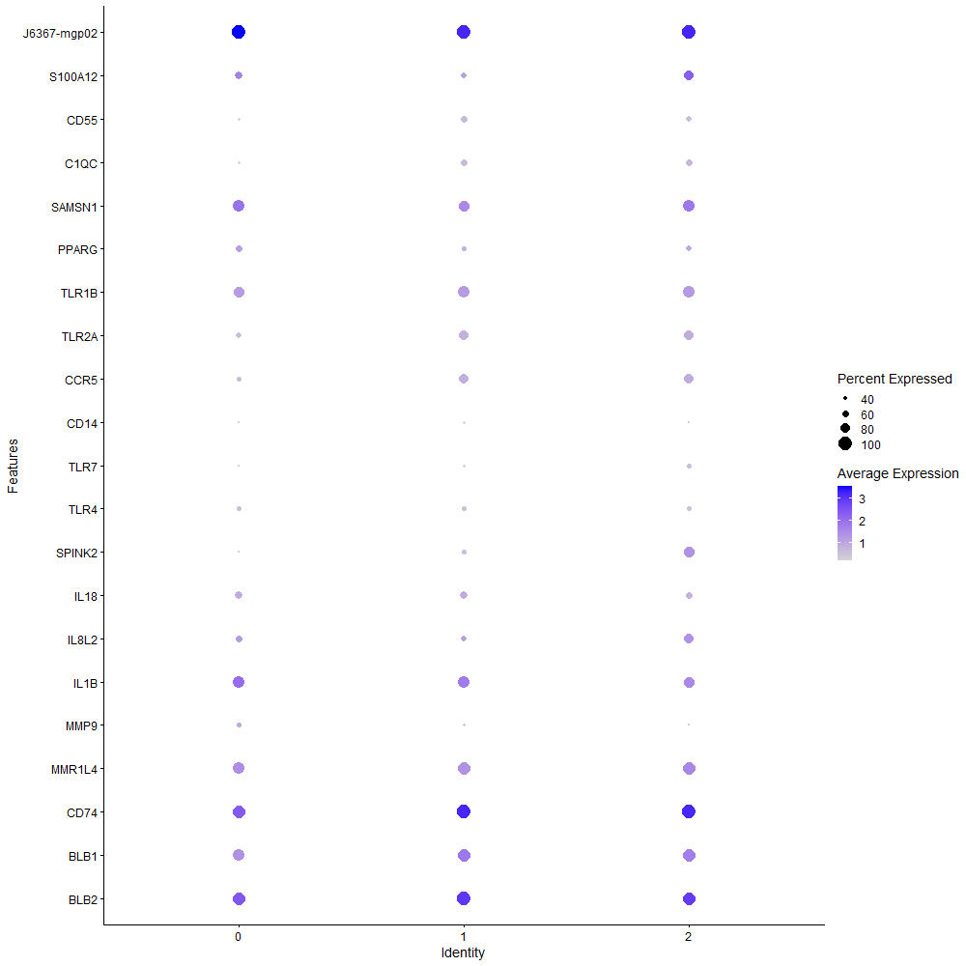
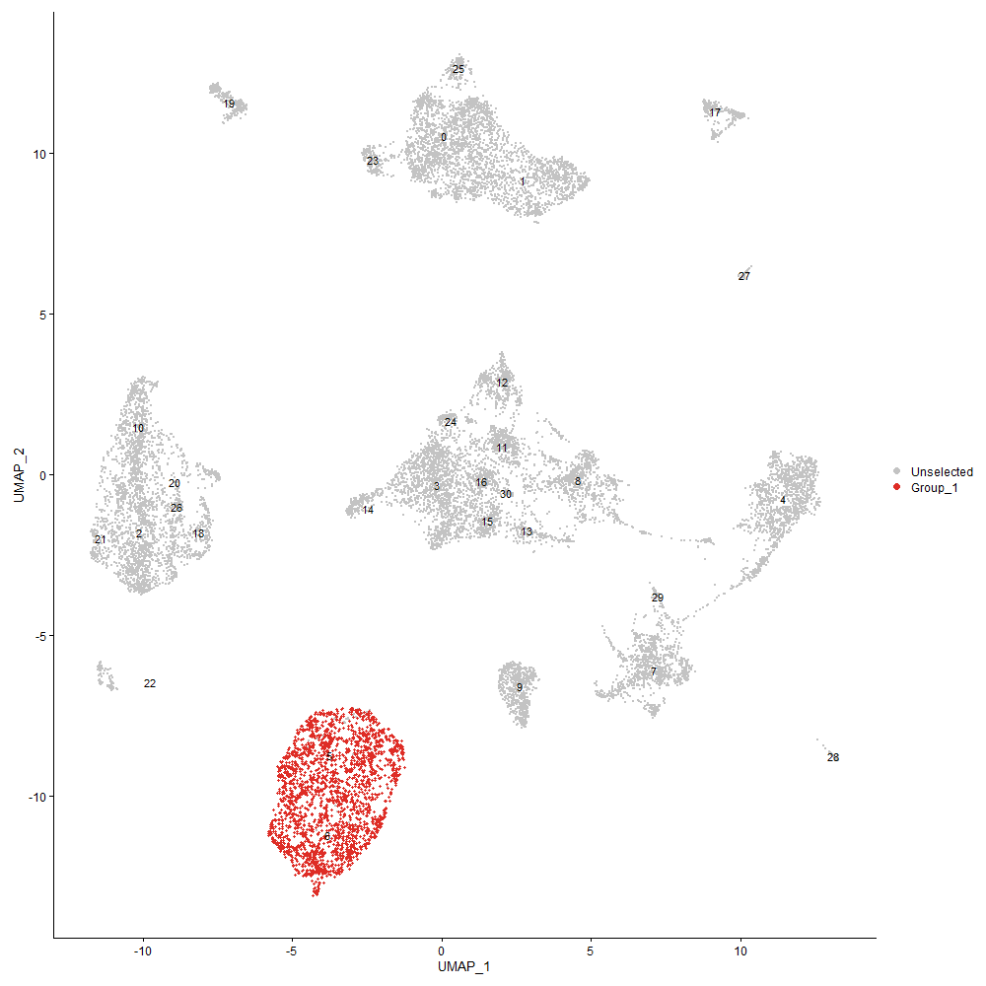
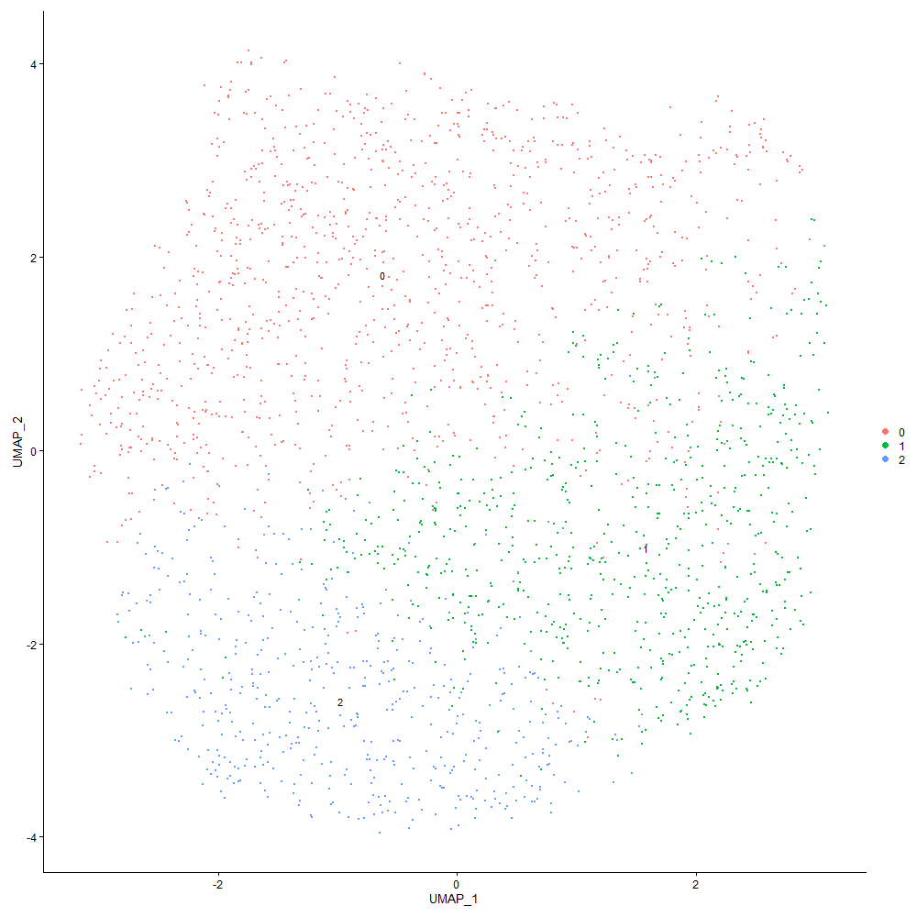
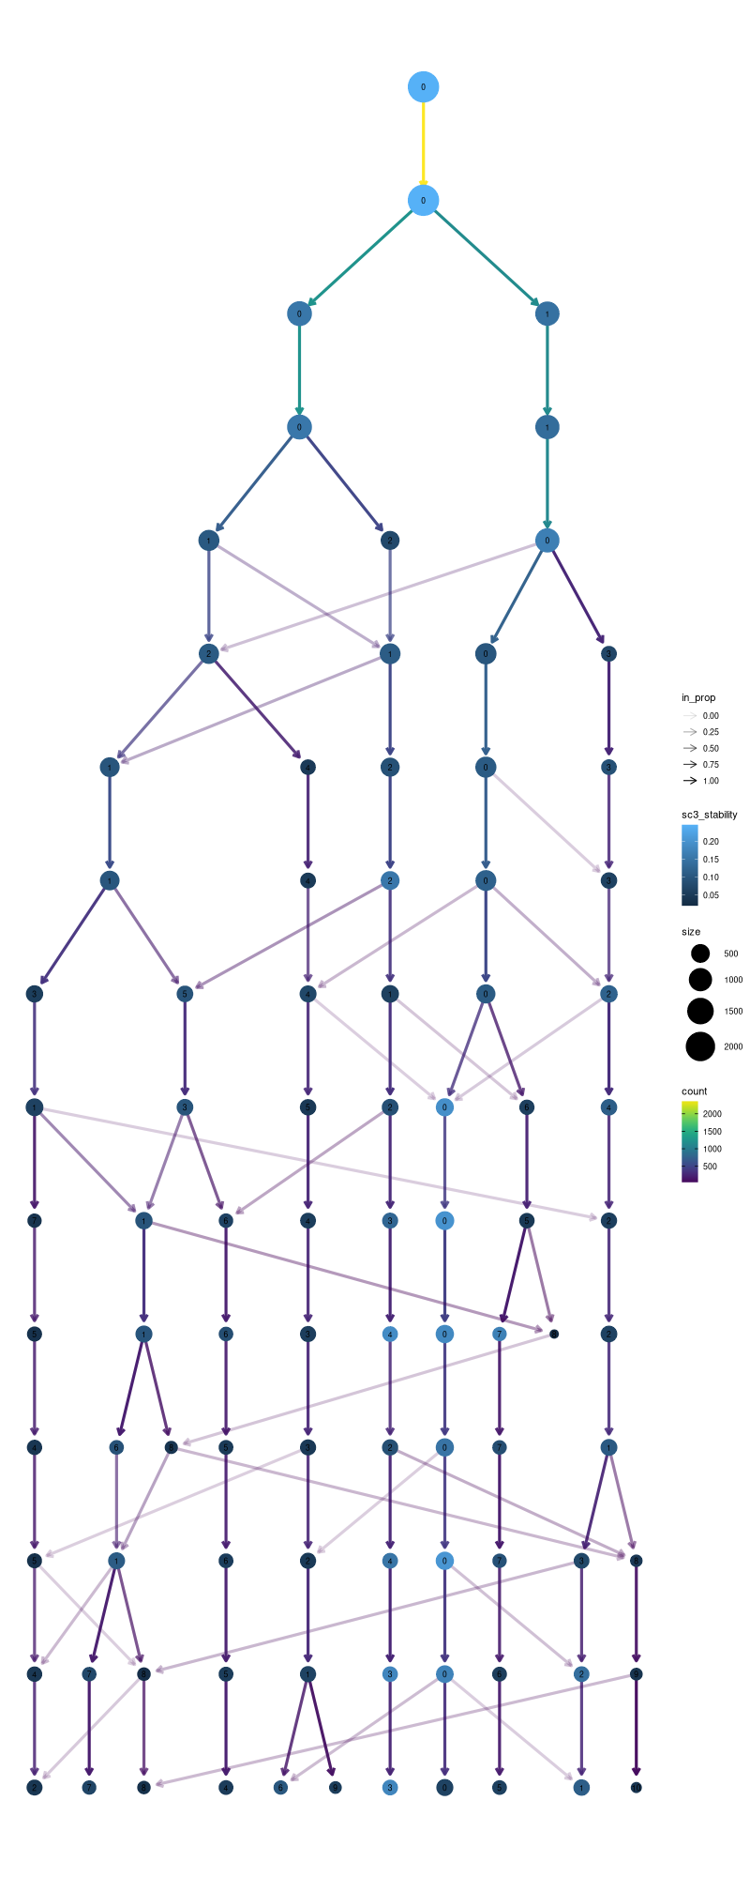

Cluster0
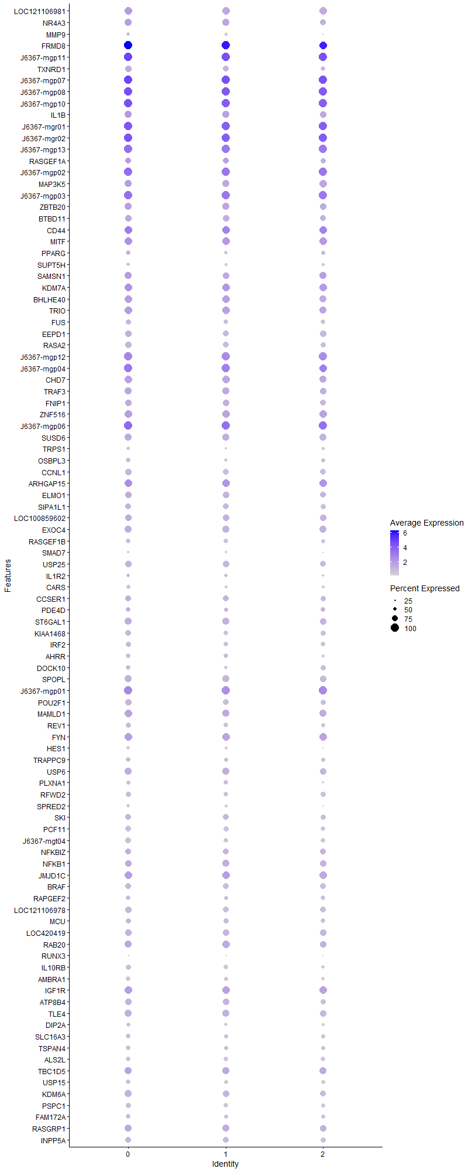
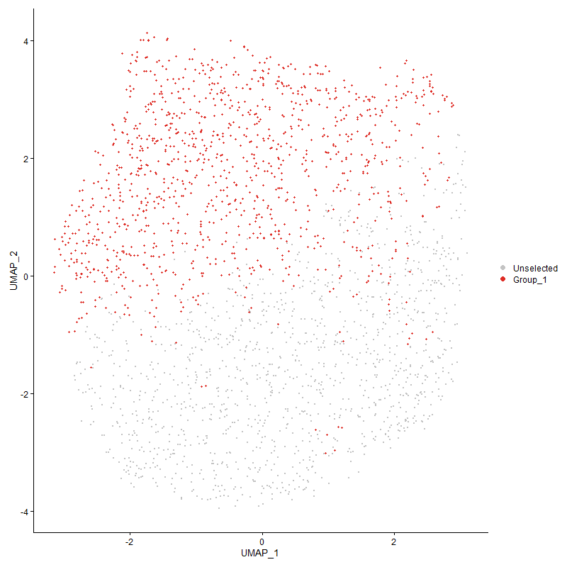
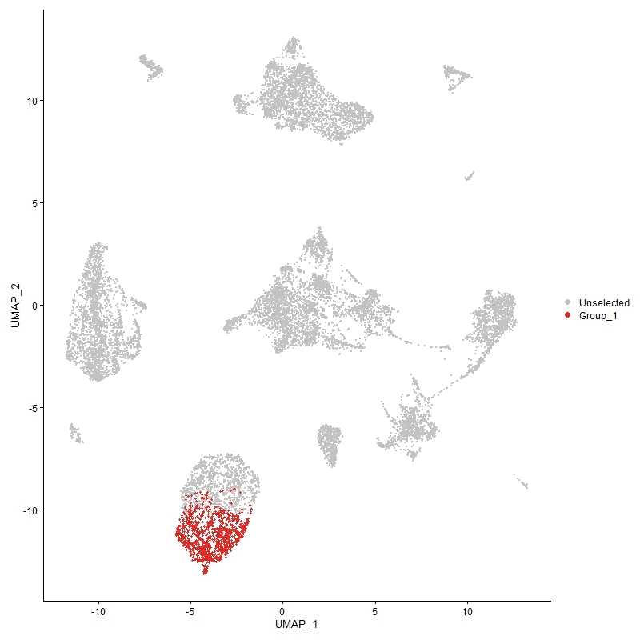
 | p_val | avg_log2FC | pct.1 | pct.2 | p_val_adj | cluster | gene
LOC121106981 | 5.9004821261E-83 | 0.68922600311 | 0.961 | 0.954 | 9.0106262547E-79 | 0 | LOC121106981
NR4A3 | 1.9672578897E-26 | 0.58073850257 | 0.896 | 0.823 | 3.0041995234E-22 | 0 | NR4A3
MMP9 | 1.2126781549E-19 | 0.57444338436 | 0.475 | 0.317 | 1.8518808103E-15 | 0 | MMP9
FRMD8 | 3.3742358842E-214 | 0.53781523478 | 1 | 0.999 | 5.1527956187E-210 | 0 | FRMD8
J6367-mgp11 | 2.3899311144E-156 | 0.52927388442 | 1 | 1 | 3.6496638048E-152 | 0 | J6367-mgp11
TXNRD1 | 1.9689010775E-22 | 0.51623658482 | 0.801 | 0.704 | 3.0067088355E-18 | 0 | TXNRD1
J6367-mgp07 | 4.7840656627E-146 | 0.51564012483 | 1 | 1 | 7.3057466735E-142 | 0 | J6367-mgp07
J6367-mgp08 | 5.8735105182E-146 | 0.51512069675 | 1 | 1 | 8.9694379123E-142 | 0 | J6367-mgp08
J6367-mgp10 | 7.6006193301E-137 | 0.51509685143 | 1 | 1 | 1.1606905779E-132 | 0 | J6367-mgp10
IL1B | 9.2072347759E-20 | 0.49096554583 | 0.923 | 0.863 | 1.4060368226E-15 | 0 | IL1B
J6367-mgr01 | 2.1226441272E-49 | 0.47568103441 | 1 | 1 | 3.2414898466E-45 | 0 | J6367-mgr01
J6367-mgr02 | 3.8450759664E-30 | 0.46730808398 | 1 | 1 | 5.8718155083E-26 | 0 | J6367-mgr02
J6367-mgp13 | 1.0551848158E-102 | 0.46038553369 | 1 | 1 | 1.6113727322E-98 | 0 | J6367-mgp13
RASGEF1A | 2.7061943869E-07 | 0.45677168828 | 0.771 | 0.727 | 0.0041326294483 | 0 | RASGEF1A
J6367-mgp02 | 1.6514028914E-68 | 0.4438286721 | 1 | 1 | 2.5218573555E-64 | 0 | J6367-mgp02
MAP3K5 | 3.7136241099E-21 | 0.44319762358 | 0.926 | 0.917 | 5.6710753782E-17 | 0 | MAP3K5
J6367-mgp03 | 7.6273113278E-98 | 0.43009086732 | 1 | 1 | 1.1647667129E-93 | 0 | J6367-mgp03
ZBTB20 | 7.1409297622E-20 | 0.42833893328 | 0.891 | 0.874 | 1.090491384E-15 | 0 | ZBTB20
BTBD11 | 1.6814655288E-13 | 0.41790735609 | 0.812 | 0.792 | 2.567766009E-09 | 0 | BTBD11
CD44 | 4.0695434126E-09 | 0.40942407836 | 0.984 | 0.976 | 6.2145997454E-05 | 0 | CD44
MITF | 1.5123963048E-20 | 0.39375589898 | 0.981 | 0.974 | 2.309580397E-16 | 0 | MITF
PPARG | 5.541075844E-11 | 0.38931783389 | 0.601 | 0.5 | 8.4617769214E-07 | 0 | PPARG
SUPT5H | 1.0743424543E-12 | 0.38595461135 | 0.501 | 0.385 | 1.640628362E-08 | 0 | SUPT5H
SAMSN1 | 1.1131295855E-15 | 0.37891400917 | 0.901 | 0.873 | 1.6998601901E-11 | 0 | SAMSN1
KDM7A | 9.9569137407E-31 | 0.3771359197 | 0.996 | 0.99 | 1.5205202973E-26 | 0 | KDM7A
BHLHE40 | 4.3687617213E-13 | 0.36896360673 | 0.94 | 0.91 | 6.6715360246E-09 | 0 | BHLHE40
TRIO | 7.9494751947E-19 | 0.36869740696 | 0.968 | 0.93 | 1.213964357E-14 | 0 | TRIO
FUS | 1.5560420115E-15 | 0.36718497403 | 0.705 | 0.627 | 2.3762317557E-11 | 0 | FUS
EEPD1 | 7.6497174126E-16 | 0.35998654565 | 0.833 | 0.775 | 1.1681883461E-11 | 0 | EEPD1
RASA2 | 8.9201733753E-18 | 0.35861680782 | 0.802 | 0.72 | 1.3621996761E-13 | 0 | RASA2
J6367-mgp12 | 7.4114314259E-47 | 0.35606443986 | 1 | 1 | 1.131799693E-42 | 0 | J6367-mgp12
J6367-mgp04 | 1.2077041199E-57 | 0.34427373096 | 1 | 0.999 | 1.8442849615E-53 | 0 | J6367-mgp04
CHD7 | 1.4299896959E-20 | 0.34218360794 | 0.962 | 0.935 | 2.1837372646E-16 | 0 | CHD7
TRAF3 | 1.5196344722E-12 | 0.3399416405 | 0.883 | 0.85 | 2.3206338024E-08 | 0 | TRAF3
FNIP1 | 9.3818534915E-11 | 0.33680203696 | 0.832 | 0.8 | 1.4327028467E-06 | 0 | FNIP1
ZNF516 | 2.3777424127E-14 | 0.33396599836 | 0.963 | 0.958 | 3.6310504384E-10 | 0 | ZNF516
J6367-mgp06 | 2.342604041E-68 | 0.33106422315 | 1 | 1 | 3.5773906311E-64 | 0 | J6367-mgp06
SUSD6 | 1.6954141011E-17 | 0.33075237911 | 0.913 | 0.91 | 2.5890668738E-13 | 0 | SUSD6
TRPS1 | 1.3722642322E-07 | 0.32637551361 | 0.455 | 0.375 | 0.002095584709 | 0 | TRPS1
OSBPL3 | 8.2065507235E-10 | 0.32564581585 | 0.587 | 0.49 | 1.253222361E-05 | 0 | OSBPL3
CCNL1 | 3.3181274974E-16 | 0.32137744282 | 0.828 | 0.736 | 5.0671125013E-12 | 0 | CCNL1
ARHGAP15 | 2.6614994475E-21 | 0.31844204035 | 0.98 | 0.982 | 4.0643758063E-17 | 0 | ARHGAP15
ELMO1 | 4.2324907456E-14 | 0.31834637814 | 0.849 | 0.788 | 6.4634366177E-10 | 0 | ELMO1
SIPA1L1 | 1.1893938294E-09 | 0.31787458625 | 0.757 | 0.703 | 1.8163233169E-05 | 0 | SIPA1L1
LOC100859602 | 1.5026327472E-11 | 0.31749410621 | 0.847 | 0.822 | 2.2946704682E-07 | 0 | LOC100859602
EXOC4 | 1.7409584163E-20 | 0.31332847281 | 0.906 | 0.864 | 2.6586175975E-16 | 0 | EXOC4
RASGEF1B | 5.679273573E-09 | 0.31149093584 | 0.643 | 0.582 | 8.6728186734E-05 | 0 | RASGEF1B
SMAD7 | 2.1219565953E-05 | 0.31059033372 | 0.354 | 0.281 | 0.32404399166 | 0 | SMAD7
USP25 | 1.3516278877E-14 | 0.30907598617 | 0.829 | 0.779 | 2.0640709474E-10 | 0 | USP25
IL1R2 | 0.0070577771044 | 0.30614368575 | 0.464 | 0.422 | 1 | 0 | IL1R2
CARS | 2.6362223733E-15 | 0.30509800034 | 0.531 | 0.4 | 4.0257751863E-11 | 0 | CARS
CCSER1 | 1.2934222062E-09 | 0.30441229511 | 0.762 | 0.704 | 1.9751850512E-05 | 0 | CCSER1
PDE4D | 0.00061190950172 | 0.30219454742 | 0.604 | 0.561 | 1 | 0 | PDE4D
ST6GAL1 | 7.9164065621E-13 | 0.29936014779 | 0.868 | 0.852 | 1.2089144461E-08 | 0 | ST6GAL1
KIAA1468 | 5.2160913135E-13 | 0.29811592015 | 0.729 | 0.649 | 7.9654930449E-09 | 0 | KIAA1468
IRF2 | 3.6445133313E-12 | 0.29375536859 | 0.709 | 0.636 | 5.5655363082E-08 | 0 | IRF2
AHRR | 2.2940782951E-07 | 0.2922674659 | 0.608 | 0.528 | 0.0035032869644 | 0 | AHRR
DOCK10 | 5.4023595391E-08 | 0.28866207912 | 0.633 | 0.554 | 0.00082499432522 | 0 | DOCK10
SPOPL | 3.1477863102E-17 | 0.2828345208 | 0.881 | 0.835 | 4.8069844743E-13 | 0 | SPOPL
J6367-mgp01 | 1.3403127741E-19 | 0.27990063901 | 1 | 1 | 2.0467916373E-15 | 0 | J6367-mgp01
POU2F1 | 2.5388339747E-10 | 0.27898920532 | 0.79 | 0.719 | 3.8770533628E-06 | 0 | POU2F1
MAMLD1 | 1.2952011057E-10 | 0.2789419833 | 0.934 | 0.913 | 1.9779016084E-06 | 0 | MAMLD1
REV1 | 6.2117459975E-09 | 0.27809682729 | 0.67 | 0.585 | 9.4859573128E-05 | 0 | REV1
FYN | 3.8814721518E-10 | 0.27795737651 | 0.966 | 0.978 | 5.927396123E-06 | 0 | FYN
HES1 | 2.2807271324E-10 | 0.27699159976 | 0.465 | 0.365 | 3.4828984038E-06 | 0 | HES1
TRAPPC9 | 3.0704738024E-05 | 0.27377272878 | 0.597 | 0.558 | 0.46889205436 | 0 | TRAPPC9
USP6 | 6.0267908572E-13 | 0.27199802847 | 0.911 | 0.881 | 9.2035123181E-09 | 0 | USP6
PLXNA1 | 5.7854558553E-05 | 0.26951948699 | 0.552 | 0.505 | 0.88349696366 | 0 | PLXNA1
RFWD2 | 1.2585913046E-08 | 0.26939176535 | 0.717 | 0.659 | 0.00019219947812 | 0 | RFWD2
SPRED2 | 3.3897482007E-09 | 0.26880674909 | 0.449 | 0.349 | 5.1764844774E-05 | 0 | SPRED2
SKI | 1.1062574043E-06 | 0.26850892421 | 0.75 | 0.707 | 0.01689365682 | 0 | SKI
PCF11 | 4.1139958191E-14 | 0.2681683537 | 0.728 | 0.648 | 6.2824830153E-10 | 0 | PCF11
J6367-mgt04 | 7.6254843102E-16 | 0.2680410133 | 0.728 | 0.637 | 1.164487709E-11 | 0 | J6367-mgt04
NFKBIZ | 1.7907325722E-06 | 0.2679129118 | 0.756 | 0.721 | 0.02734627711 | 0 | NFKBIZ
NFKB1 | 6.1588413151E-07 | 0.26779107861 | 0.839 | 0.851 | 0.0094051665723 | 0 | NFKB1
JMJD1C | 1.7990478559E-16 | 0.26685135432 | 0.989 | 0.98 | 2.7473259808E-12 | 0 | JMJD1C
BRAF | 1.5859632531E-10 | 0.26651498969 | 0.78 | 0.731 | 2.4219244838E-06 | 0 | BRAF
RAPGEF2 | 8.0238848148E-09 | 0.26644034135 | 0.622 | 0.556 | 0.00012253274501 | 0 | RAPGEF2
LOC121106978 | 1.1924290356E-11 | 0.26456294336 | 0.805 | 0.759 | 1.8209583803E-07 | 0 | LOC121106978
MCU | 4.4974602837E-09 | 0.2633447357 | 0.715 | 0.642 | 6.8680715992E-05 | 0 | MCU
LOC420419 | 5.4462402241E-06 | 0.26256928966 | 0.819 | 0.827 | 0.083169534463 | 0 | LOC420419
RAB20 | 4.8055054238E-09 | 0.26162438004 | 0.882 | 0.894 | 7.3384873327E-05 | 0 | RAB20
RUNX3 | 0.00019281542719 | 0.26043545667 | 0.27 | 0.211 | 1 | 0 | RUNX3
IL10RB | 5.2110520431E-12 | 0.26024947226 | 0.648 | 0.539 | 7.9577975751E-08 | 0 | IL10RB
AMBRA1 | 2.6885463298E-12 | 0.25995316345 | 0.646 | 0.529 | 4.1056791003E-08 | 0 | AMBRA1
IGF1R | 7.4179105302E-14 | 0.25928590428 | 0.981 | 0.982 | 1.1327891171E-09 | 0 | IGF1R
ATP8B4 | 1.110353392E-07 | 0.25826080814 | 0.795 | 0.761 | 0.0016956206649 | 0 | ATP8B4
TLE4 | 2.3190985922E-11 | 0.25616148664 | 0.884 | 0.842 | 3.5414954602E-07 | 0 | TLE4
DIP2A | 2.6988337674E-08 | 0.25592391563 | 0.524 | 0.449 | 0.00041213890462 | 0 | DIP2A
SLC16A3 | 6.7379637118E-07 | 0.25453634286 | 0.628 | 0.562 | 0.010289544384 | 0 | SLC16A3
TSPAN4 | 3.5794524362E-07 | 0.25436268424 | 0.609 | 0.56 | 0.0054661818154 | 0 | TSPAN4
ALS2L | 1.0780647162E-08 | 0.25404774122 | 0.641 | 0.595 | 0.00016463126281 | 0 | ALS2L
TBC1D5 | 1.2095056309E-08 | 0.25390532006 | 0.911 | 0.905 | 0.0001847036049 | 0 | TBC1D5
USP15 | 2.6580484575E-08 | 0.25352013571 | 0.607 | 0.54 | 0.00040591057995 | 0 | USP15
KDM6A | 2.8677062111E-09 | 0.25247591118 | 0.866 | 0.826 | 4.3792741549E-05 | 0 | KDM6A
PSPC1 | 4.0718036244E-10 | 0.25171025685 | 0.675 | 0.604 | 6.2180513149E-06 | 0 | PSPC1
FAM172A | 2.7937669706E-05 | 0.25169634322 | 0.594 | 0.546 | 0.42663615408 | 0 | FAM172A
RASGRP1 | 2.1960675167E-09 | 0.25055945316 | 0.873 | 0.866 | 3.3536147048E-05 | 0 | RASGRP1
INPP5A | 1.2138763157E-09 | 0.25055401921 | 0.782 | 0.714 | 1.8537105217E-05 | 0 | INPP5A

Cluster1
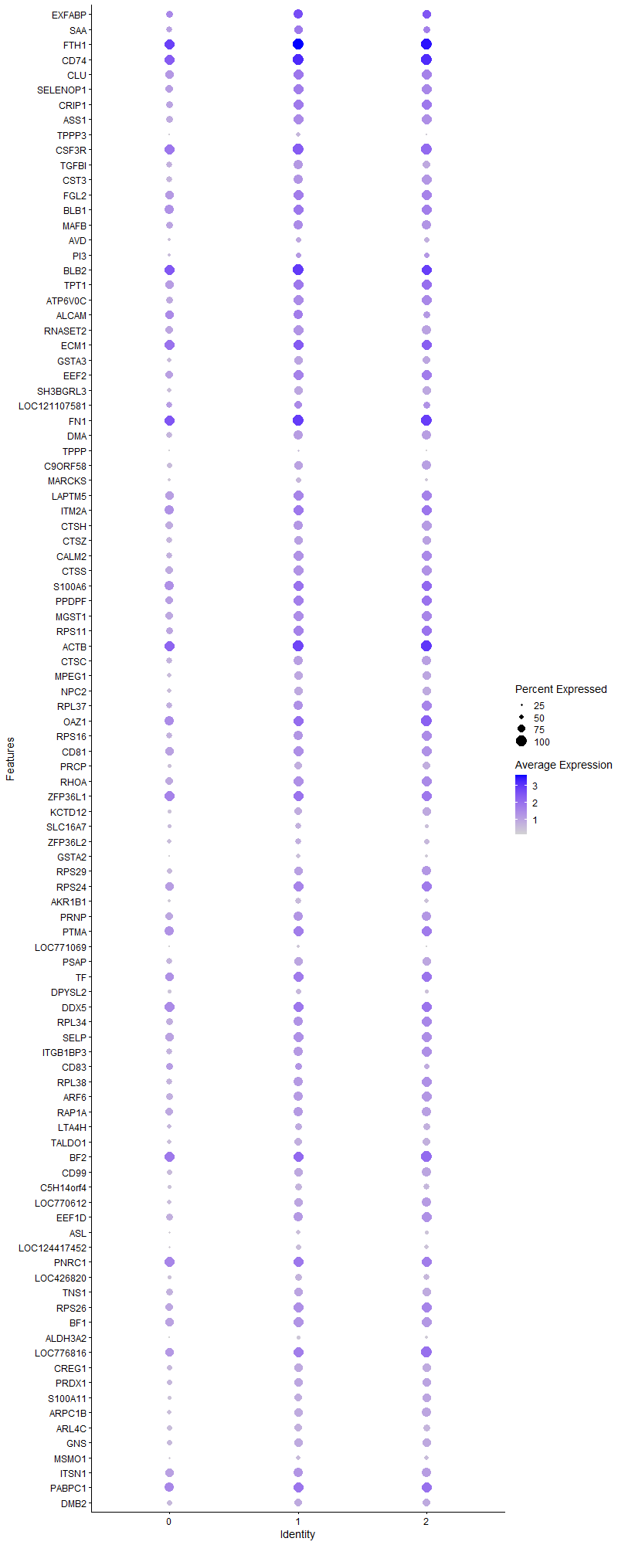
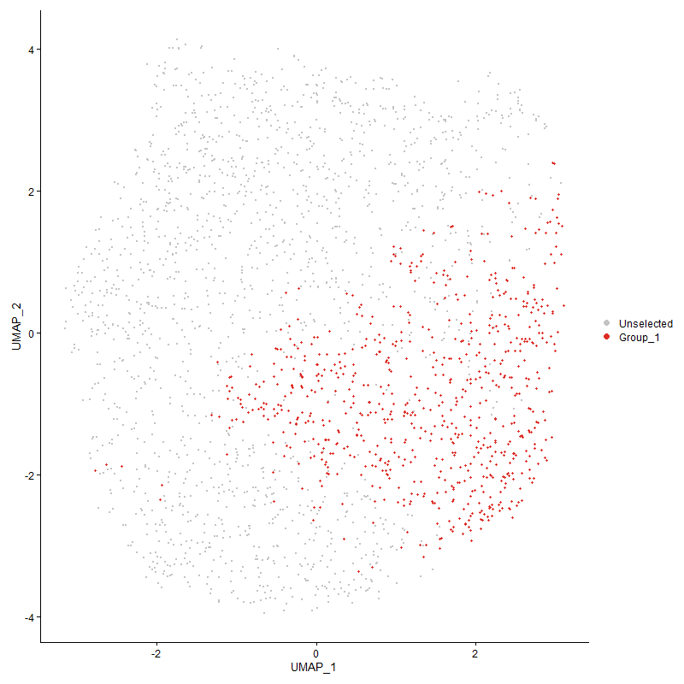
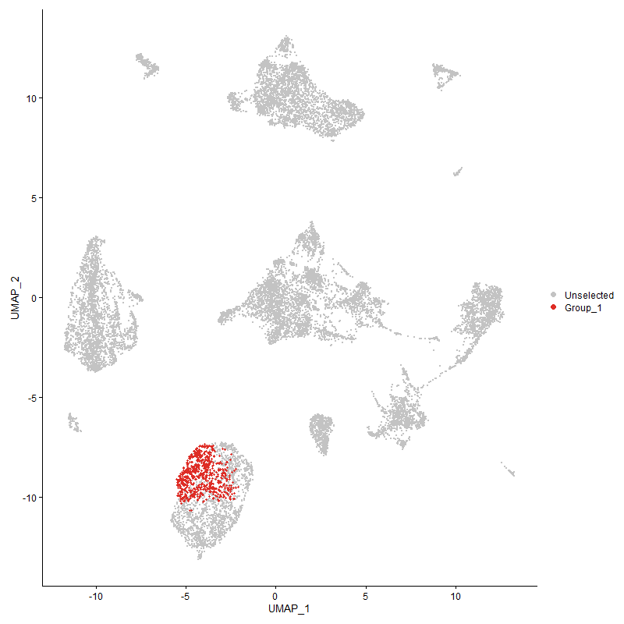
 | p_val | avg_log2FC | pct.1 | pct.2 | p_val_adj | cluster | gene
EXFABP | 3.6896883479E-56 | 1.0309985815 | 0.89 | 0.74 | 5.634523076E-52 | 1 | EXFABP
SAA | 5.1044822258E-43 | 0.74071123544 | 0.854 | 0.612 | 7.7950548069E-39 | 1 | SAA
FTH1 | 1.389721705E-128 | 0.73590299581 | 1 | 0.989 | 2.1222440157E-124 | 1 | FTH1
CD74 | 1.0498678214E-104 | 0.73426188693 | 1 | 0.981 | 1.6032531501E-100 | 1 | CD74
CLU | 2.2654697269E-84 | 0.68508749215 | 0.995 | 0.886 | 3.4595988199E-80 | 1 | CLU
SELENOP1 | 4.4227053253E-72 | 0.65858914526 | 0.973 | 0.824 | 6.7539133023E-68 | 1 | SELENOP1
CRIP1 | 4.3755716491E-69 | 0.63690740195 | 0.969 | 0.795 | 6.6819354653E-65 | 1 | CRIP1
ASS1 | 8.9807598475E-72 | 0.612397625 | 0.974 | 0.774 | 1.3714518363E-67 | 1 | ASS1
TPPP3 | 3.1262631E-48 | 0.59840351394 | 0.444 | 0.17 | 4.77411638E-44 | 1 | TPPP3
CSF3R | 2.0706310061E-98 | 0.58897647279 | 1 | 0.986 | 3.1620606094E-94 | 1 | CSF3R
TGFBI | 3.4583960813E-46 | 0.57186104955 | 0.864 | 0.646 | 5.2813166558E-42 | 1 | TGFBI
CST3 | 6.3986382542E-59 | 0.56045180569 | 0.924 | 0.696 | 9.771360478E-55 | 1 | CST3
FGL2 | 1.4835199956E-60 | 0.5558755808 | 0.984 | 0.867 | 2.2654833853E-56 | 1 | FGL2
BLB1 | 1.2158886634E-51 | 0.53882486945 | 0.978 | 0.912 | 1.8567835779E-47 | 1 | BLB1
MAFB | 1.4657649322E-43 | 0.53728904322 | 0.928 | 0.757 | 2.2383696279E-39 | 1 | MAFB
AVD | 5.4204759496E-13 | 0.53530674158 | 0.517 | 0.395 | 8.2776088226E-09 | 1 | AVD
PI3 | 4.7718592289E-15 | 0.53282380758 | 0.565 | 0.412 | 7.2871062284E-11 | 1 | PI3
BLB2 | 1.3284183629E-49 | 0.51511219623 | 1 | 0.993 | 2.0286276819E-45 | 1 | BLB2
TPT1 | 2.7894584128E-49 | 0.49150929324 | 0.981 | 0.859 | 4.2597819422E-45 | 1 | TPT1
ATP6V0C | 1.0802456175E-45 | 0.47886876053 | 0.963 | 0.795 | 1.6496430824E-41 | 1 | ATP6V0C
ALCAM | 7.1159681993E-28 | 0.47183697382 | 0.901 | 0.769 | 1.0866795037E-23 | 1 | ALCAM
RNASET2 | 7.3910842182E-43 | 0.45056852864 | 0.944 | 0.784 | 1.128692471E-38 | 1 | RNASET2
ECM1 | 1.9667725771E-45 | 0.44873521904 | 0.997 | 0.975 | 3.0034584025E-41 | 1 | ECM1
GSTA3 | 9.3665984891E-37 | 0.44350297607 | 0.79 | 0.572 | 1.4303732553E-32 | 1 | GSTA3
EEF2 | 1.3788108683E-38 | 0.4352925128 | 0.969 | 0.826 | 2.105582077E-34 | 1 | EEF2
SH3BGRL3 | 7.5862418577E-37 | 0.43477326535 | 0.797 | 0.583 | 1.1584949941E-32 | 1 | SH3BGRL3
LOC121107581 | 4.2387938791E-13 | 0.43466695036 | 0.765 | 0.641 | 6.4730621328E-09 | 1 | LOC121107581
FN1 | 3.7448712877E-52 | 0.43252864829 | 1 | 0.993 | 5.7187929434E-48 | 1 | FN1
DMA | 4.9700191702E-39 | 0.42908230825 | 0.886 | 0.688 | 7.5897162749E-35 | 1 | DMA
TPPP | 4.2721434972E-29 | 0.42883616115 | 0.298 | 0.115 | 6.5239903346E-25 | 1 | TPPP
C9ORF58 | 1.0853172492E-38 | 0.42426372351 | 0.857 | 0.63 | 1.6573879713E-34 | 1 | C9ORF58
MARCKS | 3.5216005022E-30 | 0.42147767052 | 0.548 | 0.323 | 5.3778361269E-26 | 1 | MARCKS
LAPTM5 | 1.0515756306E-38 | 0.41085674939 | 0.981 | 0.857 | 1.6058611455E-34 | 1 | LAPTM5
ITM2A | 9.6252996769E-47 | 0.41057234326 | 0.999 | 0.91 | 1.4698795137E-42 | 1 | ITM2A
CTSH | 2.5692960821E-35 | 0.40677469173 | 0.924 | 0.789 | 3.9235720469E-31 | 1 | CTSH
CTSZ | 7.1838318844E-35 | 0.40376165395 | 0.86 | 0.685 | 1.0970429671E-30 | 1 | CTSZ
CALM2 | 1.8039268016E-39 | 0.40176543672 | 0.932 | 0.725 | 2.7547766187E-35 | 1 | CALM2
CTSS | 7.6353063277E-38 | 0.39372560345 | 0.954 | 0.812 | 1.1659876293E-33 | 1 | CTSS
S100A6 | 8.4266929245E-29 | 0.38293015776 | 0.978 | 0.908 | 1.2868402765E-24 | 1 | S100A6
PPDPF | 1.6431251174E-38 | 0.37861847754 | 0.986 | 0.844 | 2.5092163668E-34 | 1 | PPDPF
MGST1 | 9.6400295541E-37 | 0.3769377395 | 0.977 | 0.808 | 1.4721289132E-32 | 1 | MGST1
RPS11 | 8.56690872E-35 | 0.3748362247 | 0.962 | 0.8 | 1.3082526306E-30 | 1 | RPS11
ACTB | 8.138482543E-37 | 0.37157506606 | 1 | 0.972 | 1.2428276691E-32 | 1 | ACTB
CTSC | 6.2203462723E-31 | 0.371195326 | 0.878 | 0.717 | 9.4990907925E-27 | 1 | CTSC
MPEG1 | 7.8533032562E-29 | 0.35929494735 | 0.812 | 0.615 | 1.1992779403E-24 | 1 | MPEG1
NPC2 | 1.1121713176E-28 | 0.35627548835 | 0.8 | 0.576 | 1.6983968191E-24 | 1 | NPC2
RPL37 | 1.344353717E-29 | 0.35463146042 | 0.897 | 0.743 | 2.0529625612E-25 | 1 | RPL37
OAZ1 | 5.4046918208E-39 | 0.35330023037 | 0.995 | 0.936 | 8.2535048795E-35 | 1 | OAZ1
RPS16 | 1.361333969E-29 | 0.35211761374 | 0.905 | 0.73 | 2.078893104E-25 | 1 | RPS16
CD81 | 1.2882873442E-26 | 0.35089214904 | 0.948 | 0.841 | 1.9673436033E-22 | 1 | CD81
PRCP | 2.3143445421E-27 | 0.34090317246 | 0.743 | 0.521 | 3.5342355502E-23 | 1 | PRCP
RHOA | 7.477752328E-32 | 0.34078242799 | 0.97 | 0.813 | 1.141927558E-27 | 1 | RHOA
ZFP36L1 | 5.3517807418E-28 | 0.338933168 | 0.989 | 0.97 | 8.1727043707E-24 | 1 | ZFP36L1
KCTD12 | 6.9977588509E-26 | 0.33769541075 | 0.751 | 0.534 | 1.0686277541E-21 | 1 | KCTD12
SLC16A7 | 4.921276161E-18 | 0.33721783719 | 0.593 | 0.394 | 7.5152808254E-14 | 1 | SLC16A7
ZFP36L2 | 4.0822444392E-19 | 0.33687996478 | 0.65 | 0.481 | 6.2339954831E-15 | 1 | ZFP36L2
GSTA2 | 1.572554547E-33 | 0.33553086162 | 0.476 | 0.235 | 2.4014480487E-29 | 1 | GSTA2
RPS29 | 9.8483154623E-25 | 0.32838760805 | 0.819 | 0.664 | 1.5039362543E-20 | 1 | RPS29
RPS24 | 1.2796277577E-27 | 0.32564844633 | 0.966 | 0.854 | 1.9541195488E-23 | 1 | RPS24
AKR1B1 | 3.3645152533E-28 | 0.32520708634 | 0.6 | 0.374 | 5.1379512433E-24 | 1 | AKR1B1
PRNP | 2.7241045145E-23 | 0.32460012344 | 0.924 | 0.824 | 4.1599800041E-19 | 1 | PRNP
PTMA | 1.6794092483E-26 | 0.32430810901 | 0.982 | 0.914 | 2.5646258631E-22 | 1 | PTMA
LOC771069 | 4.4404949306E-27 | 0.31501145987 | 0.343 | 0.152 | 6.7810798085E-23 | 1 | LOC771069
PSAP | 9.7564070125E-24 | 0.31469539129 | 0.842 | 0.671 | 1.4899009149E-19 | 1 | PSAP
TF | 1.0436818072E-28 | 0.31236041102 | 0.995 | 0.9 | 1.5938064878E-24 | 1 | TF
DPYSL2 | 4.1497185701E-20 | 0.31078188292 | 0.567 | 0.386 | 6.3370352284E-16 | 1 | DPYSL2
DDX5 | 9.2922845491E-28 | 0.31071726797 | 0.99 | 0.95 | 1.4190247735E-23 | 1 | DDX5
RPL34 | 1.1250437499E-25 | 0.31035520787 | 0.916 | 0.774 | 1.7180543104E-21 | 1 | RPL34
SELP | 1.1701568004E-26 | 0.30754161713 | 0.952 | 0.851 | 1.7869464498E-22 | 1 | SELP
ITGB1BP3 | 1.7923057524E-21 | 0.30673686156 | 0.876 | 0.703 | 2.7370301144E-17 | 1 | ITGB1BP3
CD83 | 6.7425632159E-09 | 0.30588976878 | 0.716 | 0.621 | 0.00010296568287 | 1 | CD83
RPL38 | 7.378027206E-23 | 0.30572185994 | 0.878 | 0.716 | 1.1266985346E-18 | 1 | RPL38
ARF6 | 2.3256362154E-25 | 0.30480693566 | 0.903 | 0.775 | 3.5514790646E-21 | 1 | ARF6
RAP1A | 1.8220745657E-22 | 0.30106959332 | 0.921 | 0.821 | 2.7824900693E-18 | 1 | RAP1A
LTA4H | 5.3210578657E-17 | 0.30077691122 | 0.712 | 0.552 | 8.1257874667E-13 | 1 | LTA4H
TALDO1 | 1.4250718933E-24 | 0.3000709917 | 0.771 | 0.576 | 2.1762272882E-20 | 1 | TALDO1
BF2 | 6.5326739144E-32 | 0.29846399904 | 0.999 | 0.965 | 9.9760463346E-28 | 1 | BF2
CD99 | 2.2466797881E-20 | 0.29790504395 | 0.8 | 0.643 | 3.4309047044E-16 | 1 | CD99
C5H14orf4 | 2.1800138186E-19 | 0.29637686967 | 0.659 | 0.467 | 3.3290991024E-15 | 1 | C5H14orf4
LOC770612 | 3.2521659876E-22 | 0.29596818322 | 0.8 | 0.6 | 4.9663826796E-18 | 1 | LOC770612
EEF1D | 7.0631977983E-23 | 0.29518207334 | 0.913 | 0.749 | 1.0786209358E-18 | 1 | EEF1D
ASL | 7.1492464649E-24 | 0.29461122922 | 0.494 | 0.284 | 1.0917614277E-19 | 1 | ASL
LOC124417452 | 3.6330143781E-27 | 0.29268466175 | 0.552 | 0.325 | 5.5479762567E-23 | 1 | LOC124417452
PNRC1 | 1.3252782139E-21 | 0.29008087811 | 0.993 | 0.956 | 2.0238323605E-17 | 1 | PNRC1
LOC426820 | 3.5709819619E-21 | 0.28921150477 | 0.679 | 0.483 | 5.4532465541E-17 | 1 | LOC426820
TNS1 | 4.0433581767E-19 | 0.2887513821 | 0.835 | 0.699 | 6.1746122716E-15 | 1 | TNS1
RPS26 | 6.7323495617E-22 | 0.28669858322 | 0.951 | 0.823 | 1.0280971016E-17 | 1 | RPS26
BF1 | 9.9423681454E-25 | 0.28591048772 | 0.956 | 0.854 | 1.5182990395E-20 | 1 | BF1
ALDH3A2 | 2.0171300503E-31 | 0.28013940843 | 0.412 | 0.187 | 3.0803592998E-27 | 1 | ALDH3A2
LOC776816 | 4.4606116256E-24 | 0.27969718398 | 0.976 | 0.899 | 6.8118000134E-20 | 1 | LOC776816
CREG1 | 5.3430458474E-20 | 0.2794638812 | 0.796 | 0.614 | 8.1593653135E-16 | 1 | CREG1
PRDX1 | 1.2014957434E-15 | 0.27942152078 | 0.8 | 0.661 | 1.8348041497E-11 | 1 | PRDX1
S100A11 | 5.898379289E-21 | 0.27880172169 | 0.739 | 0.539 | 9.0074150123E-17 | 1 | S100A11
ARPC1B | 1.0345104935E-21 | 0.27682576516 | 0.8 | 0.602 | 1.5798009746E-17 | 1 | ARPC1B
ARL4C | 4.2437209789E-21 | 0.27633463856 | 0.756 | 0.576 | 6.4805863069E-17 | 1 | ARL4C
GNS | 6.5019343878E-22 | 0.27633099171 | 0.822 | 0.65 | 9.9291040036E-18 | 1 | GNS
MSMO1 | 5.3777424987E-15 | 0.27418509362 | 0.498 | 0.338 | 8.2123505698E-11 | 1 | MSMO1
ITSN1 | 9.1540548034E-18 | 0.27383136813 | 0.917 | 0.833 | 1.397915709E-13 | 1 | ITSN1
PABPC1 | 5.9078895003E-24 | 0.27176325032 | 0.999 | 0.941 | 9.0219380559E-20 | 1 | PABPC1
DMB2 | 9.3462943685E-17 | 0.2713096961 | 0.766 | 0.63 | 1.427272613E-12 | 1 | DMB2
TMSB15B | 3.9232313018E-18 | 0.27098560635 | 0.321 | 0.171 | 5.991166521E-14 | 1 | TMSB15B
EFHD1 | 6.3743104813E-20 | 0.27053184894 | 0.811 | 0.689 | 9.734209536E-16 | 1 | EFHD1
NFKBIA | 6.4528653977E-15 | 0.27044006086 | 0.974 | 0.937 | 9.8541707489E-11 | 1 | NFKBIA
YWHAQ | 5.2156533863E-19 | 0.26882176207 | 0.833 | 0.687 | 7.9648242862E-15 | 1 | YWHAQ
RPL23 | 8.1624037373E-20 | 0.2682172484 | 0.981 | 0.864 | 1.2464806747E-15 | 1 | RPL23
GRN | 2.643459733E-17 | 0.26744264966 | 0.935 | 0.835 | 4.0368273583E-13 | 1 | GRN
TPP1 | 4.1483091579E-23 | 0.26743029398 | 0.933 | 0.788 | 6.334882915E-19 | 1 | TPP1
RPL27A | 3.5293442347E-18 | 0.26703635604 | 0.837 | 0.65 | 5.3896615808E-14 | 1 | RPL27A
RACK1 | 1.5255424247E-19 | 0.26697546079 | 0.97 | 0.829 | 2.3296558367E-15 | 1 | RACK1
RPS3A | 1.795385266E-20 | 0.26684484527 | 0.982 | 0.849 | 2.7417328398E-16 | 1 | RPS3A
FDPS | 6.2241440012E-19 | 0.26675735703 | 0.424 | 0.246 | 9.5048903042E-15 | 1 | FDPS
RPL35A | 9.5474660946E-21 | 0.26615868269 | 0.91 | 0.736 | 1.4579935473E-16 | 1 | RPL35A
EEF1A1 | 2.2491486459E-24 | 0.26599157797 | 0.98 | 0.902 | 3.4346748972E-20 | 1 | EEF1A1
FOS | 3.5336986469E-18 | 0.2648901843 | 0.999 | 0.997 | 5.3963112036E-14 | 1 | FOS
NDFIP1 | 1.708257045E-18 | 0.26473098873 | 0.631 | 0.455 | 2.6086793334E-14 | 1 | NDFIP1
RPL15 | 1.8089074389E-21 | 0.26470572906 | 0.959 | 0.846 | 2.7623825499E-17 | 1 | RPL15
ASAH1 | 4.4911121022E-20 | 0.26460971013 | 0.683 | 0.494 | 6.8583772913E-16 | 1 | ASAH1
RPL5 | 4.2723230719E-21 | 0.26235938027 | 0.899 | 0.7 | 6.5242645631E-17 | 1 | RPL5
RASSF2 | 3.9923682194E-16 | 0.26211402619 | 0.951 | 0.865 | 6.0967455078E-12 | 1 | RASSF2
SLC25A6 | 3.2026343364E-19 | 0.25959560735 | 0.788 | 0.6 | 4.8907428951E-15 | 1 | SLC25A6
RPL27 | 2.4851654178E-19 | 0.25897071722 | 0.867 | 0.69 | 3.7950961095E-15 | 1 | RPL27
CADM1 | 1.3443520433E-11 | 0.25833468658 | 0.522 | 0.382 | 2.0529600053E-07 | 1 | CADM1
C1QC | 8.3388955218E-14 | 0.25641139718 | 0.582 | 0.429 | 1.2734327351E-09 | 1 | C1QC
SREBF2 | 5.5744277174E-17 | 0.25635409827 | 0.86 | 0.74 | 8.5127085673E-13 | 1 | SREBF2
SPI1 | 3.0112955267E-18 | 0.2561183756 | 0.939 | 0.857 | 4.5985493988E-14 | 1 | SPI1
RPS23 | 3.2577659135E-20 | 0.25434867797 | 0.929 | 0.817 | 4.9749343264E-16 | 1 | RPS23
LOC101751866 | 3.9725359376E-20 | 0.25376802895 | 0.471 | 0.278 | 6.0664596303E-16 | 1 | LOC101751866
PLEKHO2 | 2.0904869831E-18 | 0.25366950449 | 0.727 | 0.547 | 3.192382672E-14 | 1 | PLEKHO2
RPS15A | 5.388228517E-21 | 0.25217087294 | 0.898 | 0.725 | 8.2283637684E-17 | 1 | RPS15A
RPS21 | 6.0927427279E-18 | 0.25178707388 | 0.804 | 0.626 | 9.3042274197E-14 | 1 | RPS21
RPS17 | 3.9768316997E-20 | 0.25112340201 | 0.985 | 0.869 | 6.0730196887E-16 | 1 | RPS17
ARPC4 | 1.4001186143E-18 | 0.25010708141 | 0.801 | 0.649 | 2.1381211358E-14 | 1 | ARPC4

Cluster2
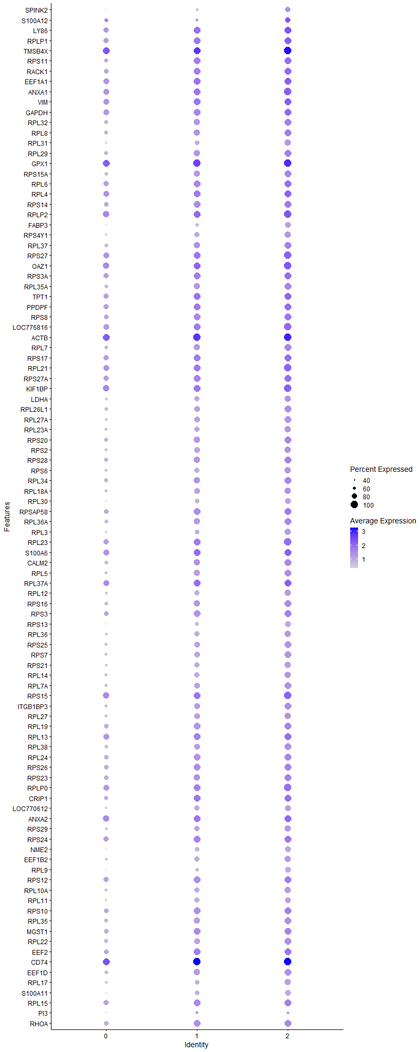
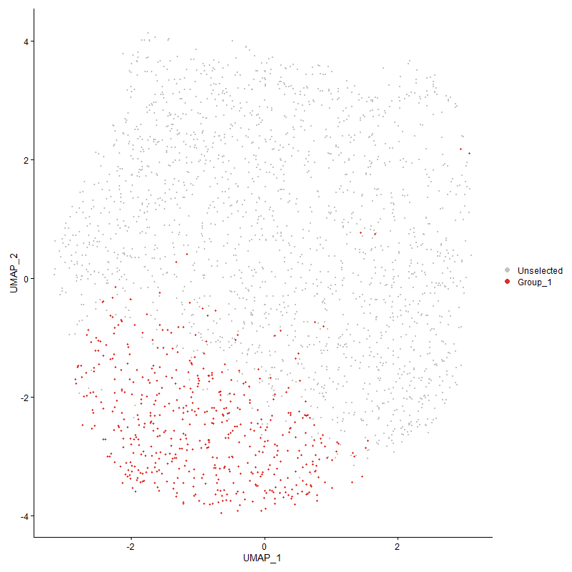
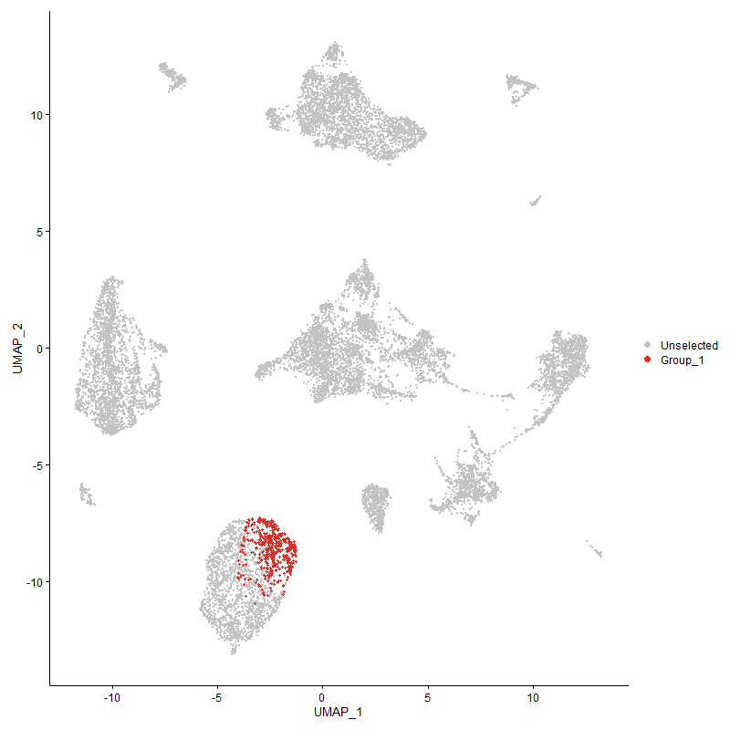
 | p_val | avg_log2FC | pct.1 | pct.2 | p_val_adj | cluster | gene
SPINK2 | 5.5103051859E-115 | 1.3814292203 | 0.826 | 0.368 | 8.4147870495E-111 | 2 | SPINK2
S100A12 | 4.8669812616E-42 | 1.2174222139 | 0.81 | 0.622 | 7.4323670846E-38 | 2 | S100A12
LY86 | 9.7829134368E-127 | 1.0448541617 | 0.994 | 0.863 | 1.4939487109E-122 | 2 | LY86
RPLP1 | 2.0938365979E-114 | 0.9974114441 | 0.998 | 0.882 | 3.1974978687E-110 | 2 | RPLP1
TMSB4X | 9.8627768556E-144 | 0.9346261683 | 1 | 0.983 | 1.5061446536E-139 | 2 | TMSB4X
RPS111 | 5.5888773589E-108 | 0.92293398037 | 0.998 | 0.809 | 8.5347746148E-104 | 2 | RPS11
RACK11 | 1.6268189091E-115 | 0.90730087713 | 0.994 | 0.839 | 2.4843151561E-111 | 2 | RACK1
EEF1A11 | 3.2340561666E-101 | 0.89203482458 | 0.996 | 0.907 | 4.9387271721E-97 | 2 | EEF1A1
ANXA1 | 4.2030500013E-105 | 0.87659793584 | 1 | 0.89 | 6.418477657E-101 | 2 | ANXA1
VIM | 4.7265755258E-97 | 0.87147508513 | 0.998 | 0.895 | 7.2179534855E-93 | 2 | VIM
GAPDH | 2.6174597494E-102 | 0.86885938038 | 0.99 | 0.881 | 3.9971227834E-98 | 2 | GAPDH
RPL32 | 9.7629268011E-102 | 0.84072728835 | 0.988 | 0.78 | 1.4908965518E-97 | 2 | RPL32
RPL8 | 3.1539569941E-104 | 0.83714297635 | 0.99 | 0.79 | 4.8164077257E-100 | 2 | RPL8
RPL31 | 7.5112584489E-89 | 0.83583009067 | 0.905 | 0.565 | 1.1470442777E-84 | 2 | RPL31
RPL29 | 1.899278374E-93 | 0.83499463737 | 0.965 | 0.781 | 2.9003880049E-89 | 2 | RPL29
GPX1 | 3.5784761187E-132 | 0.81923253563 | 1 | 0.98 | 5.4646908808E-128 | 2 | GPX1
RPS15A1 | 7.826027507E-91 | 0.81716326204 | 0.967 | 0.726 | 1.1951126606E-86 | 2 | RPS15A
RPL6 | 8.3150721369E-104 | 0.81659128541 | 0.994 | 0.862 | 1.269794666E-99 | 2 | RPL6
RPL4 | 2.3567703928E-112 | 0.8047246187 | 0.994 | 0.89 | 3.5990240668E-108 | 2 | RPL4
RPS14 | 4.0254892712E-102 | 0.80470839333 | 0.983 | 0.837 | 6.147324666E-98 | 2 | RPS14
RPLP2 | 9.4028339512E-109 | 0.80437186896 | 1 | 0.927 | 1.4359067727E-104 | 2 | RPLP2
FABP3 | 1.9369462253E-88 | 0.80255393579 | 0.878 | 0.505 | 2.9579105807E-84 | 2 | FABP3
RPS4Y1 | 3.237183684E-90 | 0.80113385616 | 0.942 | 0.603 | 4.9435032039E-86 | 2 | RPS4Y1
RPL371 | 8.9304111513E-88 | 0.79848464177 | 0.969 | 0.741 | 1.3637630869E-83 | 2 | RPL37
RPS27 | 6.8037967947E-103 | 0.79498799397 | 1 | 0.914 | 1.0390078085E-98 | 2 | RPS27
OAZ11 | 1.6867423575E-104 | 0.79253817403 | 1 | 0.941 | 2.5758242541E-100 | 2 | OAZ1
RPS3A1 | 6.4592790759E-100 | 0.78884629285 | 0.996 | 0.861 | 9.8639650767E-96 | 2 | RPS3A
RPL35A1 | 2.9781858247E-83 | 0.7862693331 | 0.965 | 0.741 | 4.5479875729E-79 | 2 | RPL35A
TPT11 | 3.2620110507E-94 | 0.78525322819 | 0.996 | 0.869 | 4.9814170755E-90 | 2 | TPT1
PPDPF1 | 9.5273134046E-93 | 0.78163091335 | 0.996 | 0.858 | 1.45491603E-88 | 2 | PPDPF
RPS8 | 1.2345759971E-89 | 0.7778412858 | 0.986 | 0.841 | 1.8853210052E-85 | 2 | RPS8
LOC7768161 | 1.5425274924E-100 | 0.77554863306 | 1 | 0.901 | 2.3555937336E-96 | 2 | LOC776816
ACTB1 | 6.2290238884E-103 | 0.77357947525 | 1 | 0.975 | 9.51234238E-99 | 2 | ACTB
RPL7 | 3.3283652842E-91 | 0.76418948123 | 0.971 | 0.755 | 5.0827466255E-87 | 2 | RPL7
RPS171 | 7.5462509468E-93 | 0.76389909885 | 0.996 | 0.879 | 1.1523879821E-88 | 2 | RPS17
RPL21 | 5.4381144391E-105 | 0.7637062469 | 1 | 0.914 | 8.3045445599E-101 | 2 | RPL21
RPS27A | 3.7048515937E-99 | 0.76174613381 | 0.994 | 0.871 | 5.6576788687E-95 | 2 | RPS27A
KIF1BP | 7.8413388332E-99 | 0.75941264047 | 1 | 0.939 | 1.1974508532E-94 | 2 | KIF1BP
LDHA | 2.8392587589E-75 | 0.7574245603 | 0.907 | 0.647 | 4.3358320507E-71 | 2 | LDHA
RPL26L1 | 2.7311337734E-89 | 0.75643765225 | 0.973 | 0.718 | 4.1707143854E-85 | 2 | RPL26L1
RPL27A1 | 1.0004475428E-80 | 0.75335839833 | 0.944 | 0.642 | 1.5277834425E-76 | 2 | RPL27A
RPL23A | 9.6686375102E-72 | 0.74831217381 | 0.932 | 0.667 | 1.4764976342E-67 | 2 | RPL23A
RPS20 | 1.6339289388E-76 | 0.74163705713 | 0.967 | 0.783 | 2.4951728825E-72 | 2 | RPS20
RPS2 | 1.0051117072E-78 | 0.74034972524 | 0.942 | 0.675 | 1.5349060881E-74 | 2 | RPS2
RPS28 | 1.3011303353E-86 | 0.74013256763 | 0.983 | 0.794 | 1.9869561351E-82 | 2 | RPS28
RPS6 | 2.5198494628E-84 | 0.73774329804 | 0.938 | 0.67 | 3.8480621146E-80 | 2 | RPS6
RPL341 | 2.070183869E-76 | 0.73237802797 | 0.979 | 0.773 | 3.1613777864E-72 | 2 | RPL34
RPL18A | 2.0765979394E-78 | 0.73161888662 | 0.936 | 0.698 | 3.1711727132E-74 | 2 | RPL18A
RPL30 | 7.8617875931E-72 | 0.73130011469 | 0.855 | 0.532 | 1.2005735833E-67 | 2 | RPL30
RPSAP58 | 4.880527252E-84 | 0.73116792735 | 0.996 | 0.829 | 7.4530531665E-80 | 2 | RPSAP58
RPL36A | 3.3991364998E-80 | 0.72562654448 | 0.975 | 0.747 | 5.1908213488E-76 | 2 | RPL36A
RPL3 | 5.0441997093E-73 | 0.72243736985 | 0.899 | 0.586 | 7.7029973761E-69 | 2 | RPL3
RPL231 | 1.3476368529E-87 | 0.71493705692 | 1 | 0.873 | 2.0579762381E-83 | 2 | RPL23
S100A61 | 7.9549800359E-62 | 0.71202769242 | 0.994 | 0.911 | 1.2148050013E-57 | 2 | S100A6
CALM21 | 2.0872253936E-67 | 0.70965320073 | 0.957 | 0.742 | 3.1874018986E-63 | 2 | CALM2
RPL51 | 1.8634121934E-72 | 0.70821722802 | 0.952 | 0.709 | 2.8456167605E-68 | 2 | RPL5
RPL37A | 1.1394543596E-92 | 0.70527116063 | 0.998 | 0.918 | 1.7400607526E-88 | 2 | RPL37A
RPL12 | 1.3821761798E-72 | 0.70356796507 | 0.924 | 0.616 | 2.1107212441E-68 | 2 | RPL12
RPS161 | 7.8163150487E-78 | 0.70297292291 | 0.988 | 0.727 | 1.1936294711E-73 | 2 | RPS16
RPS3 | 1.9699974287E-85 | 0.69739187115 | 0.988 | 0.835 | 3.0083830734E-81 | 2 | RPS3
RPS13 | 5.4539061845E-71 | 0.69540516209 | 0.837 | 0.489 | 8.3286601343E-67 | 2 | RPS13
RPL36 | 1.1608640255E-78 | 0.69359190666 | 0.934 | 0.636 | 1.7727554533E-74 | 2 | RPL36
RPS25 | 4.7277288749E-77 | 0.69111437896 | 0.963 | 0.698 | 7.2197147649E-73 | 2 | RPS25
RPS7 | 2.2870855167E-81 | 0.68459880842 | 0.959 | 0.707 | 3.4926082926E-77 | 2 | RPS7
RPS211 | 3.3452422582E-65 | 0.68398705431 | 0.911 | 0.617 | 5.1085194525E-61 | 2 | RPS21
RPL14 | 1.3842285635E-66 | 0.68277823324 | 0.932 | 0.663 | 2.1138554393E-62 | 2 | RPL14
RPL7A | 1.0298533037E-73 | 0.68152382379 | 0.959 | 0.71 | 1.5726889801E-69 | 2 | RPL7A
RPS15 | 7.0177339525E-94 | 0.67984811339 | 1 | 0.931 | 1.0716781519E-89 | 2 | RPS15
ITGB1BP31 | 4.1122557642E-71 | 0.67656767868 | 0.967 | 0.698 | 6.2798257775E-67 | 2 | ITGB1BP3
RPL271 | 1.4406440556E-67 | 0.66812099088 | 0.942 | 0.69 | 2.2000075373E-63 | 2 | RPL27
RPL19 | 3.0216745202E-76 | 0.66790258365 | 0.981 | 0.817 | 4.6143991598E-72 | 2 | RPL19
RPL13 | 1.0943220541E-80 | 0.66739913454 | 0.994 | 0.905 | 1.6711392089E-76 | 2 | RPL13
RPL381 | 1.3864386678E-68 | 0.6667071289 | 0.944 | 0.716 | 2.1172304896E-64 | 2 | RPL38
RPL24 | 1.3210137345E-79 | 0.66271406329 | 0.981 | 0.825 | 2.0173200739E-75 | 2 | RPL24
RPS261 | 5.8153429397E-71 | 0.66035807421 | 0.983 | 0.829 | 8.8806102033E-67 | 2 | RPS26
RPS231 | 2.1835428874E-70 | 0.65389273229 | 0.988 | 0.814 | 3.3344883433E-66 | 2 | RPS23
RPLP0 | 3.8017904157E-81 | 0.64666649005 | 1 | 0.91 | 5.8057141437E-77 | 2 | RPLP0
CRIP11 | 4.4463499652E-43 | 0.64590447749 | 0.984 | 0.811 | 6.7900210319E-39 | 2 | CRIP1
LOC7706121 | 6.17607643E-58 | 0.64075950972 | 0.874 | 0.603 | 9.4314863163E-54 | 2 | LOC770612
ANXA2 | 3.613457575E-79 | 0.63900471461 | 0.994 | 0.941 | 5.5181110627E-75 | 2 | ANXA2
RPS291 | 1.4146863565E-60 | 0.63772184386 | 0.928 | 0.652 | 2.160367535E-56 | 2 | RPS29
RPS241 | 1.6338244298E-67 | 0.63557289112 | 0.992 | 0.86 | 2.4950132868E-63 | 2 | RPS24
NME2 | 1.3914720969E-65 | 0.63046440858 | 0.876 | 0.554 | 2.1249170391E-61 | 2 | NME2
EEF1B2 | 3.8561203002E-56 | 0.62910190901 | 0.89 | 0.647 | 5.8886813104E-52 | 2 | EEF1B2
RPL9 | 3.4945528924E-64 | 0.62675069361 | 0.853 | 0.506 | 5.3365317219E-60 | 2 | RPL9
RPS12 | 2.6404021442E-64 | 0.62561048085 | 0.988 | 0.857 | 4.0321581144E-60 | 2 | RPS12
RPL10A | 5.8795961271E-56 | 0.62549561301 | 0.893 | 0.674 | 8.9787312458E-52 | 2 | RPL10A
RPL11 | 2.1575339072E-55 | 0.62250889463 | 0.859 | 0.594 | 3.2947700296E-51 | 2 | RPL11
RPS10 | 6.1150619685E-72 | 0.6205218545 | 0.986 | 0.845 | 9.3383111321E-68 | 2 | RPS10
RPL35 | 4.2574556709E-62 | 0.61083509436 | 0.963 | 0.769 | 6.501560555E-58 | 2 | RPL35
MGST11 | 1.1288150878E-60 | 0.60801803839 | 0.986 | 0.825 | 1.7238135206E-56 | 2 | MGST1
RPL22 | 3.9015640713E-65 | 0.60198113543 | 0.965 | 0.754 | 5.9580784933E-61 | 2 | RPL22
EEF21 | 1.8775783983E-63 | 0.60176763695 | 0.977 | 0.841 | 2.8672499721E-59 | 2 | EEF2
CD741 | 6.1141505024E-65 | 0.5832433093 | 1 | 0.983 | 9.3369192322E-61 | 2 | CD74
EEF1D1 | 1.2133709006E-59 | 0.57800116901 | 0.953 | 0.757 | 1.8529387023E-55 | 2 | EEF1D
RPL17 | 4.4577040417E-54 | 0.57189942484 | 0.897 | 0.638 | 6.8073598421E-50 | 2 | RPL17
S100A111 | 9.0665947456E-52 | 0.55356247834 | 0.853 | 0.531 | 1.3845596836E-47 | 2 | S100A11
RPL151 | 1.843301393E-53 | 0.55316338813 | 0.984 | 0.852 | 2.8149055572E-49 | 2 | RPL15
PI31 | 3.6645488259E-08 | 0.55137780321 | 0.525 | 0.441 | 0.00055961325121 | 2 | PI3
RHOA1 | 5.3540204036E-57 | 0.53817697706 | 0.981 | 0.829 | 8.1761245584E-53 | 2 | RHOA
PPIA | 3.5309674686E-49 | 0.53788335735 | 0.829 | 0.574 | 5.3921404213E-45 | 2 | PPIA
TF1 | 1.0125688634E-57 | 0.53229198611 | 0.996 | 0.911 | 1.5462939113E-53 | 2 | TF
ATP6V0C1 | 2.2624328274E-53 | 0.52574500872 | 0.967 | 0.813 | 3.4549611708E-49 | 2 | ATP6V0C
UBA52 | 1.1839966541E-54 | 0.52060717917 | 0.977 | 0.845 | 1.8080812905E-50 | 2 | UBA52
EXFABP1 | 6.9821484225E-14 | 0.5165322486 | 0.839 | 0.771 | 1.0662438856E-09 | 2 | EXFABP
COX4I1 | 2.0580156456E-46 | 0.51115101681 | 0.841 | 0.591 | 3.1427956925E-42 | 2 | COX4I1
COX6A1 | 1.3761867365E-49 | 0.50532245999 | 0.783 | 0.478 | 2.1015747653E-45 | 2 | COX6A1
LOC101747587 | 1.0732858574E-50 | 0.50261160205 | 0.998 | 0.953 | 1.6390148328E-46 | 2 | LOC101747587
HMGB1 | 2.4800248697E-43 | 0.49812925964 | 0.967 | 0.882 | 3.7872459786E-39 | 2 | HMGB1
CYBA | 4.333608706E-39 | 0.49186007552 | 0.829 | 0.608 | 6.6178538549E-35 | 2 | CYBA
LBP | 1.2937731289E-41 | 0.48787366117 | 0.959 | 0.86 | 1.9757209452E-37 | 2 | LBP
DSTN | 4.66423183E-60 | 0.48392293869 | 0.992 | 0.953 | 7.1227484276E-56 | 2 | DSTN
RPL39L | 2.2822007174E-58 | 0.48150511128 | 0.998 | 0.947 | 3.4851487156E-54 | 2 | RPL39L
LSP1P1 | 1.2505061071E-55 | 0.47796365417 | 0.992 | 0.902 | 1.9096478762E-51 | 2 | LSP1P1
ENO1 | 7.3998999231E-43 | 0.47495579894 | 0.944 | 0.8 | 1.1300387172E-38 | 2 | ENO1
HSPA8 | 1.2635779416E-32 | 0.47371747156 | 0.806 | 0.58 | 1.9296098746E-28 | 2 | HSPA8
LAPTM51 | 9.9663236234E-48 | 0.47277684233 | 0.981 | 0.872 | 1.5219572805E-43 | 2 | LAPTM5
YBX1 | 1.2367536562E-41 | 0.46711224484 | 0.915 | 0.708 | 1.8886465083E-37 | 2 | YBX1
SLC25A61 | 2.8450995816E-37 | 0.4544195565 | 0.845 | 0.606 | 4.3447515711E-33 | 2 | SLC25A6
ITM2A1 | 1.5203655863E-41 | 0.4496368176 | 0.992 | 0.922 | 2.3217502869E-37 | 2 | ITM2A
C9ORF581 | 2.2784548183E-38 | 0.44895721642 | 0.888 | 0.649 | 3.479428353E-34 | 2 | C9ORF58
UBB | 4.4647433133E-34 | 0.44641012557 | 0.762 | 0.503 | 6.8181095137E-30 | 2 | UBB
ARPC1B1 | 1.1096367589E-39 | 0.43828878101 | 0.878 | 0.604 | 1.6945262946E-35 | 2 | ARPC1B
CEBPD | 5.6201327166E-33 | 0.43796602651 | 0.68 | 0.404 | 8.5825046716E-29 | 2 | CEBPD
CST31 | 1.1527562295E-36 | 0.43748420982 | 0.934 | 0.72 | 1.760374038E-32 | 2 | CST3
RSFR | 1.8942821454E-26 | 0.43664234932 | 0.793 | 0.622 | 2.8927582643E-22 | 2 | RSFR
PKLR | 1.7631982581E-37 | 0.43511763951 | 0.891 | 0.685 | 2.6925800599E-33 | 2 | PKLR
OST4 | 2.1031335367E-42 | 0.43479659448 | 0.766 | 0.448 | 3.2116952239E-38 | 2 | OST4
KCTD121 | 4.3344165229E-35 | 0.4221488342 | 0.8 | 0.546 | 6.6190874721E-31 | 2 | KCTD12
CALM1 | 2.4344052018E-37 | 0.42134172598 | 0.94 | 0.757 | 3.7175801837E-33 | 2 | CALM1
ARHGDIB | 7.9320156322E-38 | 0.41920104947 | 0.601 | 0.321 | 1.2112981072E-33 | 2 | ARHGDIB
SAA1 | 0.0029990723122 | 0.40958166117 | 0.678 | 0.689 | 1 | 2 | SAA
COX8A | 2.1455902268E-30 | 0.40881384712 | 0.729 | 0.489 | 3.2765308353E-26 | 2 | COX8A
LASP1 | 2.992958584E-33 | 0.40851010428 | 0.756 | 0.503 | 4.5705470536E-29 | 2 | LASP1
COTL1 | 3.0442373101E-30 | 0.40680283286 | 0.88 | 0.658 | 4.6488547963E-26 | 2 | COTL1
YWHAQ1 | 1.6321149438E-29 | 0.40512408721 | 0.88 | 0.691 | 2.4924027307E-25 | 2 | YWHAQ
ARF61 | 1.3926684923E-32 | 0.40482147724 | 0.936 | 0.781 | 2.1267440546E-28 | 2 | ARF6
CAPG | 1.289280537E-31 | 0.40180414116 | 0.793 | 0.548 | 1.9688603081E-27 | 2 | CAPG
EIF4G2 | 9.2766984846E-34 | 0.40099966588 | 0.95 | 0.777 | 1.4166446256E-29 | 2 | EIF4G2
CD991 | 3.6753699567E-35 | 0.40007906919 | 0.872 | 0.641 | 5.6126574608E-31 | 2 | CD99
TXN | 8.6904403336E-28 | 0.39965176237 | 0.882 | 0.684 | 1.3271171433E-23 | 2 | TXN
PGAM1 | 3.0446634481E-32 | 0.39830702564 | 0.824 | 0.603 | 4.6495055515E-28 | 2 | PGAM1
NPM1 | 2.0587287004E-24 | 0.39824830829 | 0.723 | 0.503 | 3.1438845983E-20 | 2 | NPM1
EMB | 3.3889855755E-28 | 0.39550166731 | 0.7 | 0.452 | 5.1753198724E-24 | 2 | EMB
MS4A4A | 2.9307776405E-32 | 0.39542298847 | 0.766 | 0.525 | 4.4755905349E-28 | 2 | MS4A4A
DDX51 | 5.3924448427E-39 | 0.39057222422 | 0.988 | 0.956 | 8.2348025193E-35 | 2 | DDX5
EEF1G | 1.462935028E-32 | 0.39031436953 | 0.95 | 0.82 | 2.2340480813E-28 | 2 | EEF1G
PABPC11 | 4.256018073E-35 | 0.39015439317 | 0.996 | 0.948 | 6.4993651992E-31 | 2 | PABPC1
EIF3F | 3.0224242967E-31 | 0.39011874182 | 0.661 | 0.388 | 4.6155441435E-27 | 2 | EIF3F
FTH11 | 4.5234244022E-33 | 0.38787464425 | 1 | 0.99 | 6.9077214047E-29 | 2 | FTH1
PTMA1 | 6.4715795312E-30 | 0.38265236551 | 0.994 | 0.918 | 9.8827491022E-26 | 2 | PTMA
LOC107053353 | 2.2382565001E-26 | 0.37790852453 | 0.475 | 0.253 | 3.4180415014E-22 | 2 | LOC107053353
ANXA5 | 3.6582399618E-31 | 0.37766760556 | 0.76 | 0.488 | 5.5864982457E-27 | 2 | ANXA5
CTSS1 | 2.8729625703E-31 | 0.37734844691 | 0.963 | 0.826 | 4.3873011411E-27 | 2 | CTSS
F13A1 | 3.3791669487E-11 | 0.3753328172 | 0.537 | 0.399 | 5.1603258474E-07 | 2 | F13A1
MYH9 | 8.5792334884E-32 | 0.37401163878 | 0.986 | 0.935 | 1.310134746E-27 | 2 | MYH9
GNAI2 | 1.1763911763E-31 | 0.37048345598 | 0.965 | 0.823 | 1.7964669653E-27 | 2 | GNAI2
SERBP1 | 2.2809441283E-27 | 0.36950749072 | 0.711 | 0.492 | 3.4832297784E-23 | 2 | SERBP1
S100A10 | 2.4178390094E-28 | 0.36943660667 | 0.657 | 0.415 | 3.6922819512E-24 | 2 | S100A10
MPEG11 | 2.3507021787E-29 | 0.36855773721 | 0.859 | 0.626 | 3.5897572971E-25 | 2 | MPEG1
VSIR | 5.9137923524E-27 | 0.36094547722 | 0.665 | 0.428 | 9.0309523014E-23 | 2 | VSIR
CCR2 | 3.3358725956E-25 | 0.35839090366 | 0.769 | 0.549 | 5.0942110407E-21 | 2 | CCR2
PNAT3 | 7.0116646662E-27 | 0.35707452276 | 0.595 | 0.351 | 1.0707513112E-22 | 2 | PNAT3
ARF1 | 4.2986704341E-24 | 0.3558170306 | 0.814 | 0.643 | 6.56449962E-20 | 2 | ARF1
MYL6 | 3.2855518603E-26 | 0.35565533756 | 0.665 | 0.446 | 5.0173662458E-22 | 2 | MYL6
DAB2 | 8.4457226497E-23 | 0.35451799619 | 0.467 | 0.255 | 1.2897463058E-18 | 2 | DAB2
ATP5L | 6.9823240196E-27 | 0.35443774609 | 0.7 | 0.462 | 1.066270701E-22 | 2 | ATP5L
ASS11 | 1.7879323984E-25 | 0.35431432307 | 0.969 | 0.799 | 2.7303515656E-21 | 2 | ASS1
NRK | 1.4866297687E-23 | 0.35337702628 | 0.924 | 0.827 | 2.2702323198E-19 | 2 | NRK
PPIB | 2.5862631397E-29 | 0.35182366799 | 0.692 | 0.423 | 3.9494824407E-25 | 2 | PPIB
CCR5 | 1.7388840259E-25 | 0.35168777378 | 0.81 | 0.591 | 2.655449796E-21 | 2 | CCR5
YWHAB | 9.4352338986E-26 | 0.35084772647 | 0.55 | 0.319 | 1.4408545687E-21 | 2 | YWHAB
GATD3AL1 | 1.4209360467E-27 | 0.35011646471 | 0.539 | 0.298 | 2.169911437E-23 | 2 | GATD3AL1
CTSA | 1.199834519E-21 | 0.34779561521 | 0.738 | 0.546 | 1.832267294E-17 | 2 | CTSA
EMP1 | 9.7279712915E-22 | 0.3471725603 | 0.839 | 0.651 | 1.4855584959E-17 | 2 | EMP1
GNG5 | 5.597279708E-24 | 0.34581306147 | 0.69 | 0.471 | 8.5476058421E-20 | 2 | GNG5
EIF1 | 4.0556157534E-24 | 0.34200418286 | 0.946 | 0.851 | 6.193330817E-20 | 2 | EIF1
COX5A | 4.2947997341E-27 | 0.3395700765 | 0.506 | 0.274 | 6.5585886739E-23 | 2 | COX5A
IL8L2 | 1.1370793109E-17 | 0.33905204855 | 0.81 | 0.594 | 1.7364338157E-13 | 2 | IL8L2
SLC1A6 | 7.0784284029E-24 | 0.33894921107 | 0.771 | 0.548 | 1.0809468014E-19 | 2 | SLC1A6
SELP1 | 2.1639632343E-24 | 0.33894726515 | 0.973 | 0.858 | 3.3045882552E-20 | 2 | SELP
CCND3 | 3.3749778368E-26 | 0.33817475707 | 0.51 | 0.276 | 5.1539286546E-22 | 2 | CCND3
BTG1 | 1.7157793496E-22 | 0.33780281005 | 0.855 | 0.702 | 2.6201666448E-18 | 2 | BTG1
COX7B | 4.5806830816E-29 | 0.33700247621 | 0.508 | 0.256 | 6.9951611338E-25 | 2 | COX7B
ATP5B | 1.1695924387E-24 | 0.33699890885 | 0.651 | 0.41 | 1.7860846131E-20 | 2 | ATP5B
ARPC3 | 5.7879935399E-23 | 0.33458807869 | 0.628 | 0.409 | 8.8388449348E-19 | 2 | ARPC3
CEBPB | 7.7968352247E-22 | 0.33182815797 | 0.638 | 0.419 | 1.1906547072E-17 | 2 | CEBPB
TPM3 | 6.0319490948E-29 | 0.33108944209 | 0.969 | 0.883 | 9.2113894626E-25 | 2 | TPM3
AES | 1.9547899576E-25 | 0.33050613842 | 0.769 | 0.542 | 2.9851597443E-21 | 2 | AES
HNRNPA1 | 1.6678174799E-21 | 0.32924913459 | 0.647 | 0.439 | 2.5469240735E-17 | 2 | HNRNPA1
SH3BGRL31 | 2.6606727877E-24 | 0.32807423946 | 0.826 | 0.601 | 4.0631134141E-20 | 2 | SH3BGRL3
HIGD2A | 2.2831210593E-20 | 0.32640008705 | 0.618 | 0.421 | 3.4865541697E-16 | 2 | HIGD2A
TMBIM6 | 1.8764024574E-22 | 0.32392046692 | 0.725 | 0.524 | 2.8654541927E-18 | 2 | TMBIM6
SERP1 | 5.5209183507E-20 | 0.32205017425 | 0.663 | 0.468 | 8.4309944134E-16 | 2 | SERP1
DMA1 | 3.654386413E-22 | 0.31931466786 | 0.888 | 0.71 | 5.5806134913E-18 | 2 | DMA
ATP5D | 1.8911094499E-24 | 0.3188334798 | 0.651 | 0.411 | 2.8879132409E-20 | 2 | ATP5D
HSP90AA1 | 1.6902492583E-09 | 0.31865986197 | 0.585 | 0.463 | 2.5811796423E-05 | 2 | HSP90AA1
GSN | 3.0215395018E-23 | 0.3178074647 | 0.55 | 0.327 | 4.6141929732E-19 | 2 | GSN
PRDX11 | 1.9328840653E-20 | 0.31620885254 | 0.845 | 0.665 | 2.9517072561E-16 | 2 | PRDX1
LGALS1A | 2.5815619936E-17 | 0.31085688765 | 0.816 | 0.645 | 3.9423033205E-13 | 2 | LGALS1A
MTDH | 4.0903491642E-19 | 0.31065638377 | 0.725 | 0.537 | 6.2463722086E-15 | 2 | MTDH
ARPC41 | 1.1002536157E-19 | 0.30956106668 | 0.847 | 0.654 | 1.6801972965E-15 | 2 | ARPC4
BNIP3 | 2.4147922072E-18 | 0.30688620474 | 0.709 | 0.526 | 3.6876291796E-14 | 2 | BNIP3
COX7C | 5.5124442919E-24 | 0.3068212025 | 0.461 | 0.238 | 8.4180536782E-20 | 2 | COX7C
BLB21 | 2.4680588319E-21 | 0.30456679802 | 0.996 | 0.995 | 3.7689726422E-17 | 2 | BLB2
EIF3L | 1.845694519E-21 | 0.30328879166 | 0.479 | 0.271 | 2.8185600999E-17 | 2 | EIF3L
PRCP1 | 9.8831647693E-19 | 0.30262753893 | 0.742 | 0.547 | 1.5092580919E-14 | 2 | PRCP
NPC21 | 1.5651618815E-19 | 0.30210022594 | 0.791 | 0.605 | 2.3901587092E-15 | 2 | NPC2
EIF4A2 | 2.556171739E-23 | 0.30188260308 | 0.938 | 0.846 | 3.9035298626E-19 | 2 | EIF4A2
LOC121108888 | 1.767132793E-22 | 0.30187721231 | 0.835 | 0.637 | 2.6985884883E-18 | 2 | LOC121108888
HSP90B1 | 2.7316129438E-21 | 0.30138279052 | 0.665 | 0.442 | 4.1714461265E-17 | 2 | HSP90B1
BST1 | 6.6984218861E-20 | 0.30073267037 | 0.43 | 0.236 | 1.0229160062E-15 | 2 | BST1
ATP5E | 1.2389728345E-20 | 0.30046881905 | 0.721 | 0.515 | 1.8920354155E-16 | 2 | ATP5E
ZNF706 | 7.5129684863E-20 | 0.30011635351 | 0.756 | 0.583 | 1.1473054175E-15 | 2 | ZNF706
TLR2A | 6.8551659657E-21 | 0.30006158253 | 0.8 | 0.624 | 1.0468523946E-16 | 2 | TLR2A
ZNF593 | 3.29264851E-21 | 0.29993048116 | 0.775 | 0.571 | 5.0282035396E-17 | 2 | ZNF593
EIF5A2 | 9.5852641228E-21 | 0.29982933496 | 0.539 | 0.33 | 1.4637656842E-16 | 2 | EIF5A2
LOC101750509 | 1.0426789308E-19 | 0.29725941698 | 0.531 | 0.318 | 1.5922749952E-15 | 2 | LOC101750509
SORL1 | 5.7923719357E-19 | 0.29486365344 | 0.595 | 0.391 | 8.845531183E-15 | 2 | SORL1
ALDOC | 1.7431547051E-17 | 0.29438849813 | 0.614 | 0.431 | 2.6619715501E-13 | 2 | ALDOC
GSTA31 | 5.6841973225E-13 | 0.29438087763 | 0.754 | 0.607 | 8.6803377312E-09 | 2 | GSTA3
DYL1 | 1.163324351E-16 | 0.29370324814 | 0.492 | 0.315 | 1.7765126165E-12 | 2 | DYL1
IFI30 | 1.7593512962E-36 | 0.29367009878 | 1 | 0.999 | 2.6867053644E-32 | 2 | IFI30
ACTR2 | 6.3020574892E-21 | 0.29365777475 | 0.758 | 0.548 | 9.6238719917E-17 | 2 | ACTR2
FN11 | 5.9595179231E-21 | 0.29264066423 | 1 | 0.994 | 9.1007798204E-17 | 2 | FN1
LOC107049545 | 3.7245523895E-22 | 0.29177677608 | 0.479 | 0.268 | 5.687763954E-18 | 2 | LOC107049545
LCP1 | 8.7611988915E-17 | 0.29007632253 | 0.938 | 0.842 | 1.3379226827E-12 | 2 | LCP1
CAP1 | 6.7229433945E-19 | 0.28941735715 | 0.806 | 0.646 | 1.0266606858E-14 | 2 | CAP1
GSL | 8.7851055943E-22 | 0.288625687 | 0.901 | 0.7 | 1.3415734753E-17 | 2 | GSL
DBI | 1.9224135456E-19 | 0.28771237955 | 0.516 | 0.313 | 2.9357177254E-15 | 2 | DBI
RAB1B | 2.4204002816E-19 | 0.28732607123 | 0.891 | 0.817 | 3.6961932701E-15 | 2 | RAB1B
H3F3C | 3.0270988835E-18 | 0.28724581896 | 0.913 | 0.75 | 4.622682705E-14 | 2 | H3F3C
C1QC1 | 7.3443948038E-15 | 0.28618162274 | 0.616 | 0.437 | 1.1215625305E-10 | 2 | C1QC
IL8L1 | 0.0093515213948 | 0.28607117296 | 0.141 | 0.101 | 1 | 2 | IL8L1
KLF2 | 3.8467002382E-19 | 0.28479013496 | 0.432 | 0.239 | 5.8742959338E-15 | 2 | KLF2
MAPK14 | 6.5097829902E-18 | 0.28412589621 | 0.777 | 0.608 | 9.9410896043E-14 | 2 | MAPK14
GNAI3 | 2.2330931782E-19 | 0.28385926598 | 0.862 | 0.685 | 3.4101565925E-15 | 2 | GNAI3
CTSZ1 | 2.181177343E-19 | 0.2825529152 | 0.859 | 0.706 | 3.3308759205E-15 | 2 | CTSZ
JUN | 2.1609227466E-10 | 0.28202330767 | 0.74 | 0.598 | 3.2999451264E-06 | 2 | JUN
GGH | 6.5569839957E-20 | 0.28194114097 | 0.767 | 0.563 | 1.001317026E-15 | 2 | GGH
PGD | 9.7363210463E-18 | 0.28192926282 | 0.773 | 0.624 | 1.486833587E-13 | 2 | PGD
CD63 | 1.0255088141E-19 | 0.28174892368 | 0.973 | 0.827 | 1.56605451E-15 | 2 | CD63
NCL | 4.9745122779E-16 | 0.28149448694 | 0.738 | 0.565 | 7.5965776995E-12 | 2 | NCL
GRN1 | 1.6811836819E-19 | 0.28110252987 | 0.969 | 0.837 | 2.5673356006E-15 | 2 | GRN
RAC2 | 2.7505911126E-19 | 0.28093960869 | 0.514 | 0.312 | 4.200427688E-15 | 2 | RAC2
RPIA | 5.3827595286E-21 | 0.27992011394 | 0.504 | 0.288 | 8.2200120761E-17 | 2 | RPIA
EIF3K | 4.036973607E-22 | 0.27957904562 | 0.428 | 0.222 | 6.1648623952E-18 | 2 | EIF3K
PRAM1 | 4.4640771894E-19 | 0.278197522 | 0.746 | 0.558 | 6.8170922759E-15 | 2 | PRAM1
ARHGDIA | 5.5084268422E-16 | 0.27792998658 | 0.651 | 0.469 | 8.4119186307E-12 | 2 | ARHGDIA
ROMO1 | 5.6316158275E-21 | 0.27704572061 | 0.525 | 0.303 | 8.6000405302E-17 | 2 | ROMO1
MTPN | 4.6103263214E-18 | 0.27648512413 | 0.762 | 0.577 | 7.0404293254E-14 | 2 | MTPN
TPI1 | 3.0141848317E-20 | 0.27530403929 | 0.471 | 0.266 | 4.6029616564E-16 | 2 | TPI1
ECM11 | 1.6562010759E-17 | 0.27390626215 | 0.998 | 0.977 | 2.529184663E-13 | 2 | ECM1
PGK2 | 7.0905430778E-19 | 0.27317239009 | 0.539 | 0.329 | 1.0827968334E-14 | 2 | PGK2
SEC61G | 4.3233778115E-15 | 0.27077147293 | 0.459 | 0.289 | 6.6022302559E-11 | 2 | SEC61G
TLR7 | 7.2590086398E-17 | 0.26987482601 | 0.504 | 0.318 | 1.1085232094E-12 | 2 | TLR7
LRPAP1 | 2.752559542E-20 | 0.26953236348 | 0.496 | 0.281 | 4.2034336766E-16 | 2 | LRPAP1
CTSC1 | 1.2241481309E-17 | 0.2687245081 | 0.895 | 0.731 | 1.8693966106E-13 | 2 | CTSC
CDV3 | 3.8172025997E-17 | 0.26573439045 | 0.659 | 0.46 | 5.82925009E-13 | 2 | CDV3
SLC25A3 | 5.9032455805E-14 | 0.2638340916 | 0.62 | 0.466 | 9.0148463259E-10 | 2 | SLC25A3
ATP5I | 1.4341120192E-20 | 0.26381871229 | 0.386 | 0.193 | 2.1900324645E-16 | 2 | ATP5I
DMBT1 | 1.2562429961E-14 | 0.26364281892 | 0.574 | 0.404 | 1.9184086793E-10 | 2 | DMBT1
LOC121107448 | 4.7291953011E-16 | 0.26244567086 | 0.337 | 0.175 | 7.2219541443E-12 | 2 | LOC121107448
FGL21 | 8.7396960912E-17 | 0.26241515171 | 0.975 | 0.883 | 1.3346389901E-12 | 2 | FGL2
PRELID1 | 6.8873065674E-20 | 0.26034542147 | 0.457 | 0.253 | 1.0517605859E-15 | 2 | PRELID1
CSF1R | 1.7505164768E-13 | 0.25740370687 | 0.971 | 0.887 | 2.6732137117E-09 | 2 | CSF1R
ATP6V1E1 | 2.4343347197E-15 | 0.25679808713 | 0.713 | 0.535 | 3.7174725505E-11 | 2 | ATP6V1E1
RNF208 | 7.220356795E-20 | 0.2554235086 | 0.477 | 0.265 | 1.1026206862E-15 | 2 | RNF208
MYL12B | 6.7512683061E-16 | 0.25371381647 | 0.545 | 0.358 | 1.030986183E-11 | 2 | MYL12B
HIPK1 | 4.2343839048E-15 | 0.25309327577 | 0.676 | 0.49 | 6.466327661E-11 | 2 | HIPK1
COX6C | 4.5351381551E-14 | 0.2502812837 | 0.399 | 0.242 | 6.9256094767E-10 | 2 | COX6C
SH3BGRL | 3.7443488049E-14 | 0.25027437319 | 0.984 | 0.923 | 5.7179950599E-10 | 2 | SH3BGRL

