Clustered cells
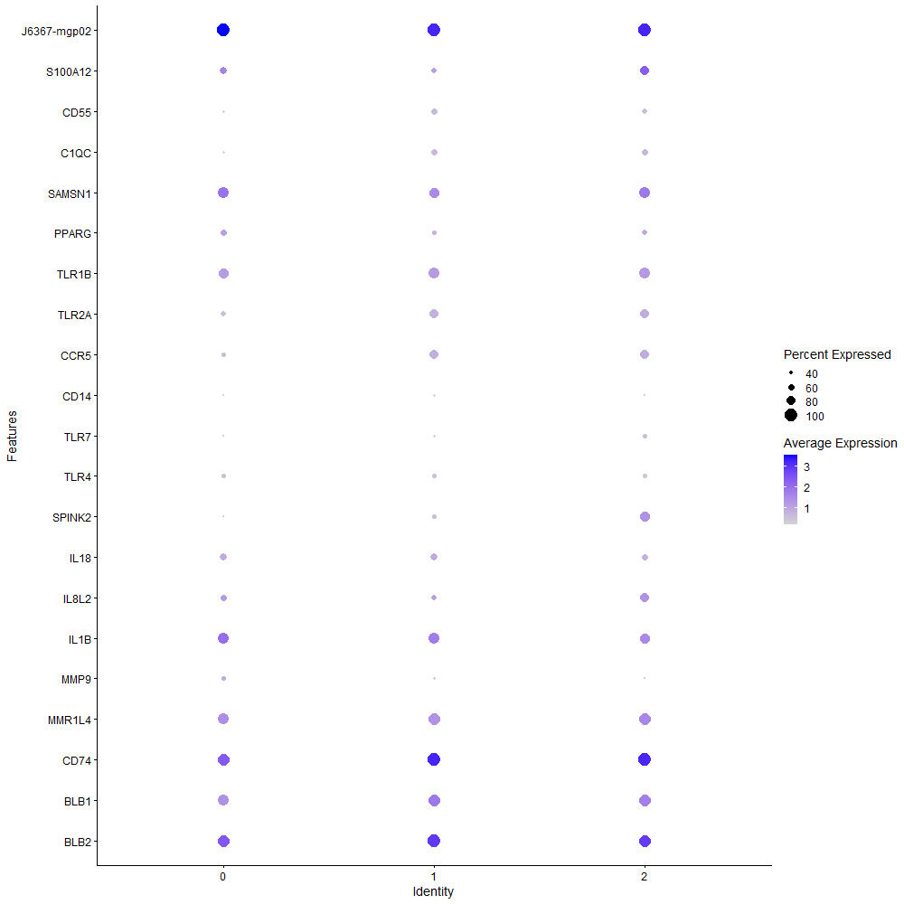
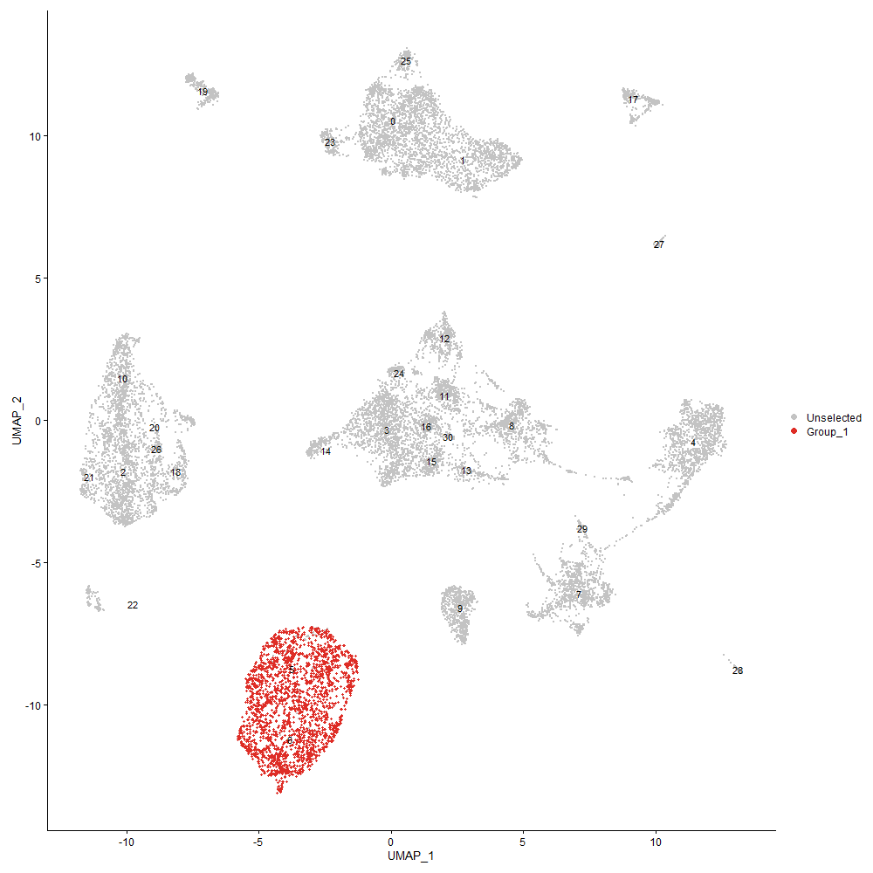
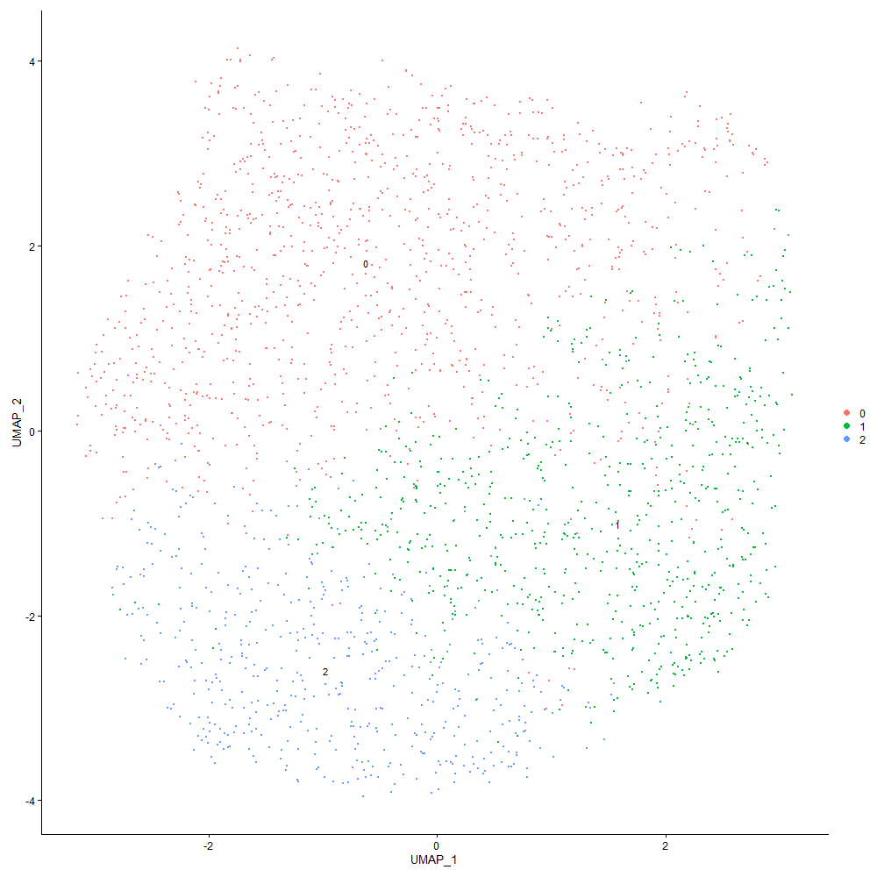
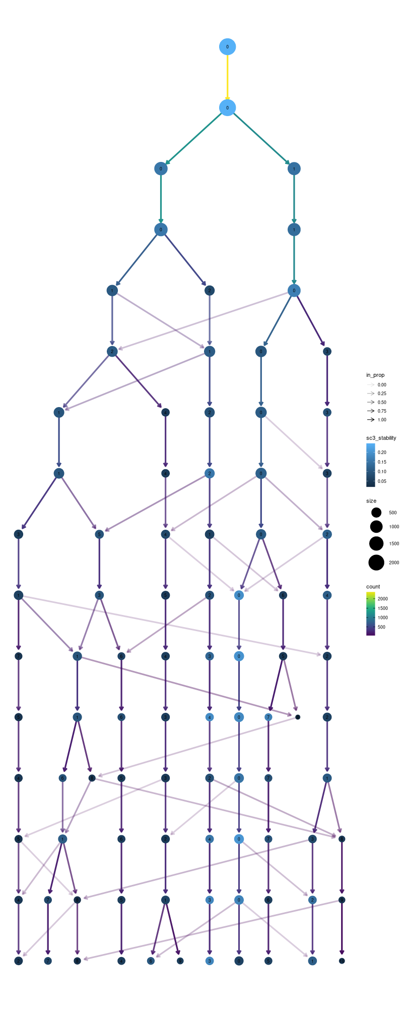

Cluster0
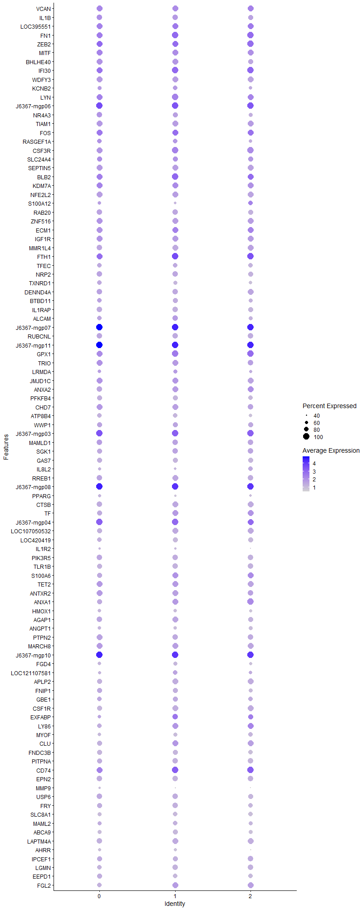
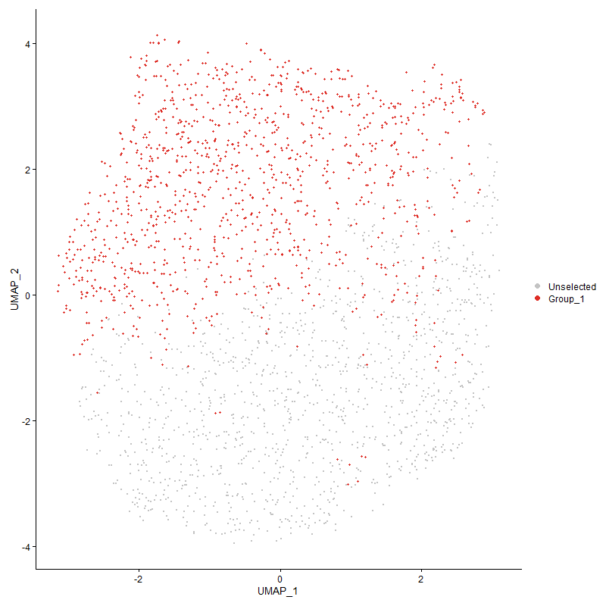
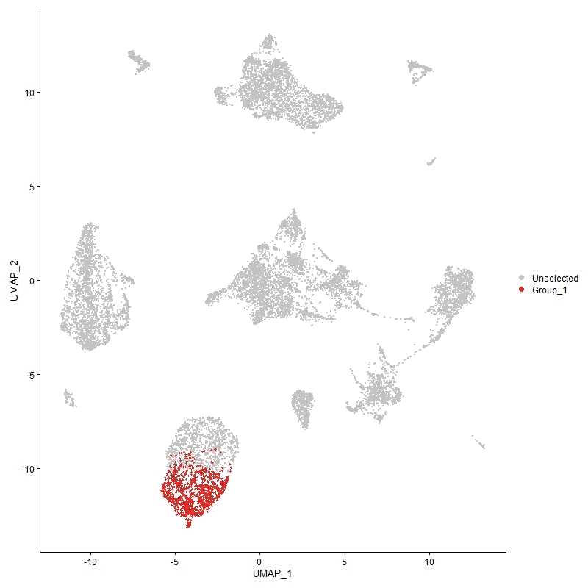
 | p_val | avg_log2FC | pct.1 | pct.2 | p_val_adj | cluster | gene
VCAN | 0 | 2.1763732611 | 0.948 | 0.087 | 0 | 0 | VCAN
IL1B | 0 | 2.0744295129 | 0.872 | 0.093 | 0 | 0 | IL1B
LOC395551 | 0 | 2.0693144486 | 0.927 | 0.146 | 0 | 0 | LOC395551
FN1 | 0 | 2.0681084993 | 0.99 | 0.099 | 0 | 0 | FN1
ZEB2 | 0 | 2.058427854 | 0.989 | 0.247 | 0 | 0 | ZEB2
MITF | 0 | 1.9744690231 | 0.967 | 0.233 | 0 | 0 | MITF
BHLHE40 | 0 | 1.883696423 | 0.905 | 0.146 | 0 | 0 | BHLHE40
IFI30 | 0 | 1.8792841835 | 0.997 | 0.446 | 0 | 0 | IFI30
WDFY3 | 0 | 1.7675366913 | 0.948 | 0.083 | 0 | 0 | WDFY3
KCNB2 | 0 | 1.7344169059 | 0.664 | 0.057 | 0 | 0 | KCNB2
LYN | 0 | 1.6702302584 | 0.982 | 0.308 | 0 | 0 | LYN
J6367-mgp06 | 0 | 1.6627291418 | 1 | 0.973 | 0 | 0 | J6367-mgp06
NR4A3 | 0 | 1.6336934651 | 0.835 | 0.193 | 0 | 0 | NR4A3
TIAM1 | 0 | 1.6106958725 | 0.955 | 0.172 | 0 | 0 | TIAM1
FOS | 0 | 1.6034550587 | 0.996 | 0.525 | 0 | 0 | FOS
RASGEF1A | 0 | 1.6017972882 | 0.723 | 0.239 | 0 | 0 | RASGEF1A
CSF3R | 0 | 1.6012815328 | 0.971 | 0.116 | 0 | 0 | CSF3R
SLC24A4 | 0 | 1.6003453698 | 0.764 | 0.261 | 0 | 0 | SLC24A4
SEPTIN5 | 0 | 1.5922025518 | 0.948 | 0.181 | 0 | 0 | SEPTIN5
BLB2 | 0 | 1.5767143872 | 0.985 | 0.289 | 0 | 0 | BLB2
KDM7A | 0 | 1.5610723388 | 0.986 | 0.511 | 0 | 0 | KDM7A
NFE2L2 | 0 | 1.5558080741 | 0.927 | 0.128 | 0 | 0 | NFE2L2
S100A12 | 0 | 1.5405240012 | 0.605 | 0.068 | 0 | 0 | S100A12
RAB20 | 0 | 1.4830209275 | 0.835 | 0.092 | 0 | 0 | RAB20
ZNF516 | 0 | 1.4823343094 | 0.937 | 0.225 | 0 | 0 | ZNF516
ECM1 | 0 | 1.4505788286 | 0.948 | 0.148 | 0 | 0 | ECM1
IGF1R | 0 | 1.4153946809 | 0.953 | 0.313 | 0 | 0 | IGF1R
MMR1L4 | 0 | 1.4130241504 | 0.84 | 0.076 | 0 | 0 | MMR1L4
FTH1 | 0 | 1.3752837041 | 0.977 | 0.571 | 0 | 0 | FTH1
TFEC | 0 | 1.3748535301 | 0.741 | 0.061 | 0 | 0 | TFEC
NRP2 | 0 | 1.3583787285 | 0.826 | 0.156 | 0 | 0 | NRP2
TXNRD1 | 0 | 1.3523479118 | 0.725 | 0.084 | 0 | 0 | TXNRD1
DENND4A | 0 | 1.3460388104 | 0.876 | 0.19 | 0 | 0 | DENND4A
BTBD11 | 0 | 1.337641105 | 0.752 | 0.161 | 0 | 0 | BTBD11
IL1RAP | 0 | 1.3283327923 | 0.856 | 0.087 | 0 | 0 | IL1RAP
ALCAM | 0 | 1.3270988707 | 0.711 | 0.095 | 0 | 0 | ALCAM
J6367-mgp07 | 0 | 1.2993187166 | 1 | 1 | 0 | 0 | J6367-mgp07
RUBCNL | 0 | 1.2945137639 | 0.899 | 0.182 | 0 | 0 | RUBCNL
J6367-mgp11 | 0 | 1.2882115627 | 1 | 1 | 0 | 0 | J6367-mgp11
GPX1 | 0 | 1.2818027709 | 0.939 | 0.415 | 0 | 0 | GPX1
TRIO | 0 | 1.2572031081 | 0.932 | 0.403 | 0 | 0 | TRIO
LRMDA | 0 | 1.2570564509 | 0.646 | 0.122 | 0 | 0 | LRMDA
JMJD1C | 0 | 1.2491051857 | 0.962 | 0.476 | 0 | 0 | JMJD1C
ANXA2 | 0 | 1.2436078684 | 0.87 | 0.131 | 0 | 0 | ANXA2
PFKFB4 | 0 | 1.2306054764 | 0.799 | 0.077 | 0 | 0 | PFKFB4
CHD7 | 0 | 1.2114915861 | 0.933 | 0.394 | 0 | 0 | CHD7
ATP8B4 | 0 | 1.1990333931 | 0.719 | 0.055 | 0 | 0 | ATP8B4
WWP1 | 0 | 1.1986411016 | 0.802 | 0.226 | 0 | 0 | WWP1
J6367-mgp03 | 0 | 1.1872025958 | 1 | 0.988 | 0 | 0 | J6367-mgp03
MAMLD1 | 0 | 1.1854122996 | 0.87 | 0.304 | 0 | 0 | MAMLD1
SGK1 | 0 | 1.1773746134 | 0.79 | 0.107 | 0 | 0 | SGK1
GAS7 | 0 | 1.1698010227 | 0.761 | 0.104 | 0 | 0 | GAS7
IL8L2 | 0 | 1.1549519628 | 0.544 | 0.053 | 0 | 0 | IL8L2
RREB1 | 0 | 1.1476658815 | 0.909 | 0.266 | 0 | 0 | RREB1
J6367-mgp08 | 0 | 1.1448400801 | 1 | 0.999 | 0 | 0 | J6367-mgp08
PPARG | 0 | 1.1431594515 | 0.557 | 0.036 | 0 | 0 | PPARG
CTSB | 0 | 1.141723008 | 0.866 | 0.148 | 0 | 0 | CTSB
TF | 0 | 1.1352492022 | 0.819 | 0.092 | 0 | 0 | TF
J6367-mgp04 | 0 | 1.1286921497 | 1 | 0.973 | 0 | 0 | J6367-mgp04
LOC107050532 | 0 | 1.1248340495 | 0.815 | 0.097 | 0 | 0 | LOC107050532
LOC420419 | 0 | 1.1228463592 | 0.749 | 0.127 | 0 | 0 | LOC420419
IL1R2 | 0 | 1.1104533549 | 0.407 | 0.032 | 0 | 0 | IL1R2
PIK3R5 | 0 | 1.1076675425 | 0.897 | 0.302 | 0 | 0 | PIK3R5
TLR1B | 0 | 1.0976478316 | 0.775 | 0.1 | 0 | 0 | TLR1B
S100A6 | 0 | 1.0962639883 | 0.816 | 0.092 | 0 | 0 | S100A6
TET2 | 0 | 1.0946145971 | 0.921 | 0.41 | 0 | 0 | TET2
ANTXR2 | 0 | 1.0920138253 | 0.895 | 0.407 | 0 | 0 | ANTXR2
ANXA1 | 0 | 1.0784349419 | 0.78 | 0.099 | 0 | 0 | ANXA1
HMOX1 | 0 | 1.0638471942 | 0.563 | 0.047 | 0 | 0 | HMOX1
AGAP1 | 0 | 1.063745178 | 0.848 | 0.255 | 0 | 0 | AGAP1
ANGPT1 | 0 | 1.0586170897 | 0.61 | 0.059 | 0 | 0 | ANGPT1
PTPN2 | 0 | 1.0498933631 | 0.873 | 0.369 | 0 | 0 | PTPN2
MARCH8 | 0 | 1.0489014966 | 0.905 | 0.377 | 0 | 0 | MARCH8
J6367-mgp10 | 0 | 1.0325038795 | 1 | 0.999 | 0 | 0 | J6367-mgp10
FGD4 | 0 | 1.0305124596 | 0.602 | 0.081 | 0 | 0 | FGD4
LOC121107581 | 0 | 1.0294762867 | 0.569 | 0.061 | 0 | 0 | LOC121107581
APLP2 | 0 | 1.0283104427 | 0.799 | 0.134 | 0 | 0 | APLP2
FNIP1 | 0 | 1.0276477546 | 0.763 | 0.245 | 0 | 0 | FNIP1
GBE1 | 0 | 1.017268627 | 0.702 | 0.214 | 0 | 0 | GBE1
CSF1R | 0 | 1.0032190935 | 0.782 | 0.078 | 0 | 0 | CSF1R
EXFABP | 0 | 0.99910307991 | 0.645 | 0.088 | 0 | 0 | EXFABP
LY86 | 0 | 0.99413085292 | 0.745 | 0.086 | 0 | 0 | LY86
MYOF | 0 | 0.97590092852 | 0.605 | 0.056 | 0 | 0 | MYOF
CLU | 0 | 0.97578951414 | 0.777 | 0.119 | 0 | 0 | CLU
FNDC3B | 0 | 0.96205679254 | 0.752 | 0.129 | 0 | 0 | FNDC3B
PITPNA | 0 | 0.95104019752 | 0.786 | 0.236 | 0 | 0 | PITPNA
CD74 | 0 | 0.94372909897 | 0.957 | 0.335 | 0 | 0 | CD74
EPN2 | 0 | 0.94365840221 | 0.806 | 0.295 | 0 | 0 | EPN2
MMP9 | 0 | 0.9342750616 | 0.425 | 0.024 | 0 | 0 | MMP9
USP6 | 0 | 0.93231120699 | 0.833 | 0.327 | 0 | 0 | USP6
FRY | 0 | 0.92641688205 | 0.789 | 0.209 | 0 | 0 | FRY
SLC8A1 | 0 | 0.92220884859 | 0.606 | 0.059 | 0 | 0 | SLC8A1
MAML2 | 0 | 0.92022443496 | 0.663 | 0.173 | 0 | 0 | MAML2
ABCA9 | 0 | 0.9184315475 | 0.66 | 0.06 | 0 | 0 | ABCA9
LAPTM4A | 0 | 0.91545162689 | 0.812 | 0.243 | 0 | 0 | LAPTM4A
AHRR | 0 | 0.90968157648 | 0.513 | 0.04 | 0 | 0 | AHRR
IPCEF1 | 0 | 0.90923251979 | 0.774 | 0.236 | 0 | 0 | IPCEF1
LGMN | 0 | 0.90667479841 | 0.708 | 0.179 | 0 | 0 | LGMN
EEPD1 | 0 | 0.90492827267 | 0.772 | 0.26 | 0 | 0 | EEPD1
FGL2 | 0 | 0.90183282108 | 0.75 | 0.144 | 0 | 0 | FGL2
IL8L1 | 1.6000928728E-152 | 0.89543710804 | 0.11 | 0.009 | 2.443501826E-148 | 0 | IL8L1
HTR1F | 0 | 0.89325862221 | 0.507 | 0.075 | 0 | 0 | HTR1F
RASGEF1B | 0 | 0.89102229225 | 0.555 | 0.037 | 0 | 0 | RASGEF1B
LBP | 0 | 0.88463546783 | 0.727 | 0.084 | 0 | 0 | LBP
J6367-mgp13 | 0 | 0.88051455461 | 1 | 0.996 | 0 | 0 | J6367-mgp13
CPEB2 | 0 | 0.85880023447 | 0.585 | 0.143 | 0 | 0 | CPEB2
RASGRP1 | 4.7202909684E-222 | 0.85713376569 | 0.811 | 0.401 | 7.2083563379E-218 | 0 | RASGRP1
SORBS1 | 0 | 0.84883601331 | 0.627 | 0.066 | 0 | 0 | SORBS1
MAFB | 0 | 0.84869303909 | 0.61 | 0.071 | 0 | 0 | MAFB
ANKRD13A | 0 | 0.84818767143 | 0.712 | 0.166 | 0 | 0 | ANKRD13A
J6367-mgp01 | 1.1371044798E-247 | 0.84123351587 | 0.998 | 0.871 | 1.7364722511E-243 | 0 | J6367-mgp01
NHSL1 | 0 | 0.8400069127 | 0.455 | 0.05 | 0 | 0 | NHSL1
TIMP2 | 0 | 0.8347931843 | 0.607 | 0.096 | 0 | 0 | TIMP2
MAFF | 0 | 0.8338862624 | 0.589 | 0.06 | 0 | 0 | MAFF
FOSL2 | 0 | 0.83350585416 | 0.709 | 0.18 | 0 | 0 | FOSL2
FAP | 0 | 0.83322734709 | 0.554 | 0.05 | 0 | 0 | FAP
SKAP2 | 1.3138492738E-255 | 0.83238749793 | 0.805 | 0.333 | 2.006379226E-251 | 0 | SKAP2
AZIN1 | 0 | 0.82780867835 | 0.686 | 0.152 | 0 | 0 | AZIN1
CAMK1D | 8.2740112669E-202 | 0.82763487596 | 0.874 | 0.442 | 1.2635242606E-197 | 0 | CAMK1D
PLXNA1 | 0 | 0.82653123381 | 0.477 | 0.053 | 0 | 0 | PLXNA1
SLC16A3 | 0 | 0.82075853713 | 0.535 | 0.069 | 0 | 0 | SLC16A3
PPDPF | 0 | 0.81649554294 | 0.718 | 0.101 | 0 | 0 | PPDPF
GRN | 0 | 0.81566420982 | 0.696 | 0.114 | 0 | 0 | GRN
SPI1 | 0 | 0.81396702411 | 0.725 | 0.168 | 0 | 0 | SPI1
BMP2K | 6.8894178047E-194 | 0.813501697 | 0.889 | 0.55 | 1.052082993E-189 | 0 | BMP2K
ITSN1 | 0 | 0.81248680876 | 0.718 | 0.163 | 0 | 0 | ITSN1
ZBTB20 | 3.3287401162E-209 | 0.79921504044 | 0.842 | 0.372 | 5.0833190315E-205 | 0 | ZBTB20
ATRN | 2.0624311403E-269 | 0.79474124673 | 0.909 | 0.437 | 3.1495385944E-265 | 0 | ATRN
SPSB1 | 0 | 0.79423428222 | 0.668 | 0.163 | 0 | 0 | SPSB1
SRGAP2 | 0 | 0.79302151762 | 0.616 | 0.097 | 0 | 0 | SRGAP2
IMPA2 | 0 | 0.79177404185 | 0.601 | 0.152 | 0 | 0 | IMPA2
PLSCR1 | 0 | 0.78396899711 | 0.591 | 0.083 | 0 | 0 | PLSCR1
SAA | 0 | 0.77784330189 | 0.51 | 0.075 | 0 | 0 | SAA
RNASET2 | 0 | 0.77495122865 | 0.654 | 0.129 | 0 | 0 | RNASET2
GPAT3 | 0 | 0.77470634568 | 0.574 | 0.074 | 0 | 0 | GPAT3
LRP1 | 0 | 0.77452314994 | 0.633 | 0.058 | 0 | 0 | LRP1
E2F3 | 0 | 0.77319338466 | 0.585 | 0.08 | 0 | 0 | E2F3
NET1 | 0 | 0.77113084477 | 0.557 | 0.053 | 0 | 0 | NET1
PARD3 | 0 | 0.77091198857 | 0.459 | 0.039 | 0 | 0 | PARD3
RPS6KA3 | 1.2509102403E-195 | 0.76787023544 | 0.851 | 0.469 | 1.910265028E-191 | 0 | RPS6KA3
SLC2A9 | 0 | 0.7673112953 | 0.476 | 0.04 | 0 | 0 | SLC2A9
ELL | 0 | 0.76574288976 | 0.725 | 0.207 | 0 | 0 | ELL
BCL6 | 7.4396446377E-274 | 0.76201184551 | 0.554 | 0.151 | 1.1361081326E-269 | 0 | BCL6
NEK6 | 0 | 0.75913551776 | 0.669 | 0.193 | 0 | 0 | NEK6
RASSF2 | 8.7807209041E-302 | 0.75596783206 | 0.736 | 0.242 | 1.3409038893E-297 | 0 | RASSF2
AHR1A | 3.3213420335E-298 | 0.75529116188 | 0.654 | 0.189 | 5.0720214194E-294 | 0 | AHR1A
RAB7A | 1.8053292755E-277 | 0.75513603712 | 0.647 | 0.211 | 2.7569183366E-273 | 0 | RAB7A
LOC101750635 | 0 | 0.75314908129 | 0.628 | 0.089 | 0 | 0 | LOC101750635
TIPARP | 2.5677104546E-223 | 0.75037382017 | 0.712 | 0.295 | 3.9211506352E-219 | 0 | TIPARP
PID1 | 0 | 0.74679594665 | 0.508 | 0.037 | 0 | 0 | PID1
ALS2L | 0 | 0.7432680047 | 0.53 | 0.04 | 0 | 0 | ALS2L
ITGAD | 0 | 0.74304288325 | 0.716 | 0.164 | 0 | 0 | ITGAD
MXI1 | 1.5885199122E-249 | 0.74265722276 | 0.428 | 0.099 | 2.4258287579E-245 | 0 | MXI1
CD83 | 8.5938951267E-183 | 0.74130745366 | 0.577 | 0.211 | 1.3123737248E-178 | 0 | CD83
PRNP | 0 | 0.73915941186 | 0.668 | 0.125 | 0 | 0 | PRNP
VIM | 8.8988822316E-237 | 0.73585470379 | 0.75 | 0.29 | 1.3589483056E-232 | 0 | VIM
ELMSAN1 | 2.9803127242E-278 | 0.73124471212 | 0.614 | 0.184 | 4.5512355611E-274 | 0 | ELMSAN1
MARK1 | 0 | 0.72667500325 | 0.573 | 0.102 | 0 | 0 | MARK1
IL18 | 0 | 0.71788316111 | 0.531 | 0.108 | 0 | 0 | IL18
ACSL1 | 0 | 0.71726497153 | 0.442 | 0.033 | 0 | 0 | ACSL1
CREM | 0 | 0.71523218203 | 0.598 | 0.137 | 0 | 0 | CREM
BCAT1 | 4.4034564264E-197 | 0.7114765091 | 0.821 | 0.395 | 6.7245183088E-193 | 0 | BCAT1
J6367-mgp02 | 6.0747216357E-226 | 0.70642508007 | 1 | 0.995 | 9.2767074098E-222 | 0 | J6367-mgp02
MECR | 0 | 0.70469591793 | 0.582 | 0.068 | 0 | 0 | MECR
MGST1 | 0 | 0.69698523946 | 0.614 | 0.092 | 0 | 0 | MGST1
TBXAS1 | 4.4928192475E-230 | 0.69639273796 | 0.756 | 0.275 | 6.8609842729E-226 | 0 | TBXAS1
J6367-mgp12 | 8.2153658156E-232 | 0.69524459866 | 0.998 | 0.97 | 1.2545685137E-227 | 0 | J6367-mgp12
FRMD8 | 0 | 0.69142112957 | 1 | 1 | 0 | 0 | FRMD8
TNIP2 | 1.4997539315E-186 | 0.68737498401 | 0.474 | 0.147 | 2.2902742288E-182 | 0 | TNIP2
GAPDH | 4.4266336724E-233 | 0.68529072879 | 0.767 | 0.305 | 6.7599122811E-229 | 0 | GAPDH
TAX1BP1 | 2.6807221913E-231 | 0.6813668135 | 0.76 | 0.321 | 4.0937308583E-227 | 0 | TAX1BP1
LOC107055390 | 1.0303969106E-247 | 0.67925094283 | 0.468 | 0.12 | 1.5735191221E-243 | 0 | LOC107055390
NCOR2 | 2.7899973204E-182 | 0.67700619885 | 0.897 | 0.565 | 4.2606049079E-178 | 0 | NCOR2
PLEKHA5 | 0 | 0.67632367045 | 0.483 | 0.065 | 0 | 0 | PLEKHA5
GADD45B | 0 | 0.67465021457 | 0.544 | 0.09 | 0 | 0 | GADD45B
BACH1 | 0 | 0.66928014957 | 0.604 | 0.139 | 0 | 0 | BACH1
CD88 | 0 | 0.66899985672 | 0.483 | 0.067 | 0 | 0 | CD88
SDCBP | 0 | 0.66825388598 | 0.584 | 0.129 | 0 | 0 | SDCBP
ASS1 | 0 | 0.66545587705 | 0.576 | 0.08 | 0 | 0 | ASS1
SERTAD2 | 2.2231460006E-167 | 0.6582371585 | 0.724 | 0.345 | 3.3949662574E-163 | 0 | SERTAD2
PRKAG2 | 3.8121626818E-282 | 0.65483255548 | 0.582 | 0.157 | 5.8215536314E-278 | 0 | PRKAG2
SAMSN1 | 2.0231067446E-113 | 0.65409385709 | 0.868 | 0.598 | 3.0894863096E-109 | 0 | SAMSN1
IFRD1 | 4.7358696765E-229 | 0.65174868088 | 0.577 | 0.185 | 7.232146583E-225 | 0 | IFRD1
IQGAP2 | 1.0902059217E-106 | 0.65065228547 | 0.862 | 0.619 | 1.664853463E-102 | 0 | IQGAP2
CD81 | 1.7305890934E-257 | 0.65039809258 | 0.695 | 0.233 | 2.6427826046E-253 | 0 | CD81
SMOX | 0 | 0.64718762758 | 0.47 | 0.034 | 0 | 0 | SMOX
TNFRSF21 | 6.0640972258E-237 | 0.64589921425 | 0.665 | 0.237 | 9.2604828735E-233 | 0 | TNFRSF21
EMP1 | 0 | 0.64515797036 | 0.466 | 0.088 | 0 | 0 | EMP1
BLB1 | 1.6423967249E-290 | 0.6442605962 | 0.829 | 0.258 | 2.5081040385E-286 | 0 | BLB1
PDLIM5 | 1.9897309208E-156 | 0.64398585005 | 0.751 | 0.375 | 3.0385180892E-152 | 0 | PDLIM5
SELENOP1 | 4.0334320653E-211 | 0.64168085299 | 0.682 | 0.254 | 6.1594541069E-207 | 0 | SELENOP1
PLA2R1 | 0 | 0.6391004182 | 0.498 | 0.068 | 0 | 0 | PLA2R1
ARHGAP12 | 2.7779985833E-265 | 0.63821972142 | 0.658 | 0.205 | 4.2422816365E-261 | 0 | ARHGAP12
PPARA | 0 | 0.63638406302 | 0.45 | 0.065 | 0 | 0 | PPARA
PDE4B | 4.1689203097E-242 | 0.63630849809 | 0.652 | 0.223 | 6.3663582049E-238 | 0 | PDE4B
DCLK3 | 0 | 0.63623043461 | 0.456 | 0.041 | 0 | 0 | DCLK3
OAZ1 | 6.5665900557E-196 | 0.6354750889 | 0.857 | 0.435 | 1.0027839674E-191 | 0 | OAZ1
ITGAV | 3.2292132855E-256 | 0.63396406976 | 0.662 | 0.211 | 4.9313316083E-252 | 0 | ITGAV
HMGCS1 | 2.1808149855E-148 | 0.63390279802 | 0.528 | 0.204 | 3.3303225643E-144 | 0 | HMGCS1
KIAA0930 | 2.6788759503E-297 | 0.63111486557 | 0.495 | 0.11 | 4.0909114637E-293 | 0 | KIAA0930
PLEKHM3 | 0 | 0.63051580135 | 0.428 | 0.064 | 0 | 0 | PLEKHM3
SAT1 | 3.2264007328E-184 | 0.62995377818 | 0.676 | 0.282 | 4.927036559E-180 | 0 | SAT1
SIPA1L2 | 0 | 0.62736493617 | 0.478 | 0.066 | 0 | 0 | SIPA1L2
TAB3 | 9.1391066435E-188 | 0.62470261532 | 0.663 | 0.275 | 1.3956329755E-183 | 0 | TAB3
F10 | 0 | 0.62338009142 | 0.492 | 0.054 | 0 | 0 | F10
TGFBI | 0 | 0.62153682855 | 0.468 | 0.06 | 0 | 0 | TGFBI
PTPRN2 | 0 | 0.62026152403 | 0.258 | 0.023 | 0 | 0 | PTPRN2
ANO5 | 2.3471742957E-153 | 0.61955582015 | 0.741 | 0.378 | 3.5843698669E-149 | 0 | ANO5
APP | 3.5856658709E-209 | 0.61937672992 | 0.696 | 0.263 | 5.4756703514E-205 | 0 | APP
HS6ST1 | 1.6075097666E-192 | 0.61617883431 | 0.723 | 0.292 | 2.4548281646E-188 | 0 | HS6ST1
SBNO2 | 2.3863071204E-244 | 0.6152605415 | 0.597 | 0.189 | 3.6441296036E-240 | 0 | SBNO2
TNS1 | 0 | 0.61521633655 | 0.541 | 0.069 | 0 | 0 | TNS1
CHSY1 | 0 | 0.61484766436 | 0.525 | 0.113 | 0 | 0 | CHSY1
ZDHHC14 | 1.6079479985E-209 | 0.61453575121 | 0.675 | 0.246 | 2.4554973885E-205 | 0 | ZDHHC14
EFNA5 | 0 | 0.61345523536 | 0.373 | 0.028 | 0 | 0 | EFNA5
EGR1 | 3.018352874E-301 | 0.61102814273 | 0.544 | 0.127 | 4.609326674E-297 | 0 | EGR1
FLVCR2 | 0 | 0.61080636157 | 0.446 | 0.038 | 0 | 0 | FLVCR2
DENND5A | 3.8813831887E-196 | 0.61067489822 | 0.682 | 0.272 | 5.9272602675E-192 | 0 | DENND5A
FES | 0 | 0.61030260191 | 0.504 | 0.058 | 0 | 0 | FES
TPP1 | 3.9817696084E-289 | 0.6075504005 | 0.614 | 0.171 | 6.080560369E-285 | 0 | TPP1
PARVB | 0 | 0.60690410878 | 0.493 | 0.072 | 0 | 0 | PARVB
SUPT5H | 3.2601788338E-241 | 0.60546094046 | 0.396 | 0.088 | 4.9786190971E-237 | 0 | SUPT5H
NFKBIZ | 1.2592204548E-82 | 0.60487874842 | 0.643 | 0.403 | 1.9229555565E-78 | 0 | NFKBIZ
RP2 | 0 | 0.5977504761 | 0.572 | 0.127 | 0 | 0 | RP2
CCSER1 | 1.6858627303E-247 | 0.59703246045 | 0.681 | 0.207 | 2.5744809755E-243 | 0 | CCSER1
DOCK4 | 0 | 0.59679358328 | 0.394 | 0.038 | 0 | 0 | DOCK4
GCLC | 1.6976195803E-187 | 0.59161101218 | 0.638 | 0.252 | 2.592434861E-183 | 0 | GCLC
ATP2A2 | 2.3896275122E-185 | 0.59040930508 | 0.567 | 0.204 | 3.6492001739E-181 | 0 | ATP2A2
CADM1 | 0 | 0.58850673683 | 0.346 | 0.032 | 0 | 0 | CADM1
ZNFX1 | 9.9039249563E-153 | 0.58567075148 | 0.664 | 0.307 | 1.5124283801E-148 | 0 | ZNFX1
MAFK | 1.0159064396E-157 | 0.58511851529 | 0.679 | 0.314 | 1.551390724E-153 | 0 | MAFK
TLE4 | 5.2838685561E-158 | 0.58478851283 | 0.777 | 0.378 | 8.068995672E-154 | 0 | TLE4
KLF7 | 6.7865181862E-200 | 0.5808578326 | 0.578 | 0.195 | 1.0363691922E-195 | 0 | KLF7
MXD1 | 0 | 0.57768368723 | 0.496 | 0.1 | 0 | 0 | MXD1
SBF2 | 2.620631626E-273 | 0.57577922822 | 0.579 | 0.151 | 4.001966556E-269 | 0 | SBF2
HIVEP3 | 1.2429708752E-153 | 0.57466576245 | 0.677 | 0.301 | 1.8981408236E-149 | 0 | HIVEP3
LOC121106455 | 6.4503338334E-155 | 0.57465921327 | 0.834 | 0.41 | 9.850304797E-151 | 0 | LOC121106455
CTSH | 5.405426066E-259 | 0.56981741123 | 0.607 | 0.179 | 8.2546261453E-255 | 0 | CTSH
GSL | 0 | 0.56883353388 | 0.487 | 0.065 | 0 | 0 | GSL
DEF6 | 1.1593734551E-164 | 0.56762413663 | 0.654 | 0.29 | 1.7704792033E-160 | 0 | DEF6
CAPN3 | 0 | 0.56672946386 | 0.428 | 0.035 | 0 | 0 | CAPN3
TRAF3 | 6.0952962307E-82 | 0.56605259707 | 0.808 | 0.556 | 9.308126874E-78 | 0 | TRAF3
LONRF3 | 0 | 0.56576175869 | 0.399 | 0.044 | 0 | 0 | LONRF3
SPECC1 | 0 | 0.56552196246 | 0.441 | 0.066 | 0 | 0 | SPECC1
BTG2 | 4.9964673837E-171 | 0.56488216544 | 0.738 | 0.334 | 7.6301053416E-167 | 0 | BTG2
EFHD1 | 0 | 0.56424390308 | 0.502 | 0.107 | 0 | 0 | EFHD1
CTSS | 2.7863648496E-255 | 0.56400361125 | 0.614 | 0.183 | 4.2550577618E-251 | 0 | CTSS
GK2 | 0 | 0.56334777799 | 0.453 | 0.082 | 0 | 0 | GK2
LOC121106981 | 2.5253565009E-111 | 0.55982505289 | 0.944 | 0.733 | 3.8564719125E-107 | 0 | LOC121106981
FYN | 2.9319091504E-102 | 0.55759044351 | 0.932 | 0.688 | 4.4773184635E-98 | 0 | FYN
HK2 | 7.4379863787E-177 | 0.55461092957 | 0.568 | 0.211 | 1.1358548999E-172 | 0 | HK2
PRDM1 | 0 | 0.55454950498 | 0.382 | 0.051 | 0 | 0 | PRDM1
AFF4 | 1.5903038631E-120 | 0.55445274876 | 0.757 | 0.426 | 2.4285530293E-116 | 0 | AFF4
BAIAP2L1 | 0 | 0.55390114974 | 0.406 | 0.035 | 0 | 0 | BAIAP2L1
SMAP2 | 7.2804695433E-201 | 0.55162429557 | 0.7 | 0.282 | 1.111800504E-196 | 0 | SMAP2
SPOPL | 4.4233698646E-143 | 0.54982956944 | 0.783 | 0.429 | 6.7549281202E-139 | 0 | SPOPL
LSP1P1 | 1.235340432E-158 | 0.54887990775 | 0.789 | 0.392 | 1.8864883737E-154 | 0 | LSP1P1
SH3BGRL | 2.3855742192E-119 | 0.54789862455 | 0.838 | 0.534 | 3.6430103902E-115 | 0 | SH3BGRL
ICOSLG | 0 | 0.54734411838 | 0.445 | 0.079 | 0 | 0 | ICOSLG
ATP6V0C | 2.8089147505E-259 | 0.54729991092 | 0.602 | 0.167 | 4.2894937154E-255 | 0 | ATP6V0C
RABGAP1 | 1.3115471651E-188 | 0.54629606473 | 0.646 | 0.25 | 2.0028636758E-184 | 0 | RABGAP1
MEF2D | 3.1095507681E-128 | 0.54626779892 | 0.672 | 0.346 | 4.7485949779E-124 | 0 | MEF2D
CHST13 | 0 | 0.54452602996 | 0.42 | 0.057 | 0 | 0 | CHST13
LGALS1A | 0 | 0.54224449845 | 0.444 | 0.066 | 0 | 0 | LGALS1A
ZDHHC7 | 0 | 0.54104713983 | 0.486 | 0.099 | 0 | 0 | ZDHHC7
ARHGAP31 | 0 | 0.54086016173 | 0.345 | 0.027 | 0 | 0 | ARHGAP31
ACTB | 1.1071790523E-120 | 0.54069930876 | 0.929 | 0.671 | 1.6907731308E-116 | 0 | ACTB
MCU | 6.1790342029E-193 | 0.53911030191 | 0.617 | 0.214 | 9.4360031313E-189 | 0 | MCU
MTSS1 | 0 | 0.53756448248 | 0.414 | 0.07 | 0 | 0 | MTSS1
USP25 | 1.8726204289E-114 | 0.53673902574 | 0.717 | 0.4 | 2.859678657E-110 | 0 | USP25
NDEL1 | 1.9018379057E-166 | 0.53563435507 | 0.63 | 0.26 | 2.9042966658E-162 | 0 | NDEL1
EPS8 | 0 | 0.53230531576 | 0.304 | 0.029 | 0 | 0 | EPS8
HES1 | 0 | 0.53161794926 | 0.394 | 0.05 | 0 | 0 | HES1
IVNS1ABP | 3.0157564122E-231 | 0.53016715512 | 0.465 | 0.122 | 4.6053616171E-227 | 0 | IVNS1ABP
HSPA5 | 1.4223033404E-80 | 0.52918141079 | 0.532 | 0.283 | 2.1719994311E-76 | 0 | HSPA5
ATP6V1B2 | 4.8920055028E-299 | 0.52852343299 | 0.479 | 0.104 | 7.4705816034E-295 | 0 | ATP6V1B2
PEPD | 3.6928458489E-223 | 0.52818248979 | 0.552 | 0.163 | 5.6393448959E-219 | 0 | PEPD
PRELID3B | 0 | 0.5269452761 | 0.471 | 0.096 | 0 | 0 | PRELID3B
HIVEP1 | 1.7933284294E-123 | 0.52665752458 | 0.734 | 0.378 | 2.7385918446E-119 | 0 | HIVEP1
NR1D2 | 2.6535144623E-155 | 0.52626026637 | 0.554 | 0.214 | 4.0521819354E-151 | 0 | NR1D2
ZSWIM6 | 1.3618104377E-171 | 0.52531707328 | 0.561 | 0.2 | 2.0796207194E-167 | 0 | ZSWIM6
NARF | 2.2813488535E-260 | 0.52430690721 | 0.374 | 0.071 | 3.4838478341E-256 | 0 | NARF
LRP5 | 0 | 0.52145327508 | 0.426 | 0.062 | 0 | 0 | LRP5
LAPTM5 | 3.3935357636E-155 | 0.51978666856 | 0.7 | 0.312 | 5.1822684645E-151 | 0 | LAPTM5
LOC107050955 | 4.7562444624E-181 | 0.51941034807 | 0.525 | 0.179 | 7.2632609185E-177 | 0 | LOC107050955
LOC121107791 | 0 | 0.51589616204 | 0.375 | 0.054 | 0 | 0 | LOC121107791
LAMP1 | 2.6594549615E-239 | 0.51565974188 | 0.556 | 0.16 | 4.0612536717E-235 | 0 | LAMP1
PLXNC1 | 8.1628901E-157 | 0.51553273665 | 0.744 | 0.339 | 1.2465549472E-152 | 0 | PLXNC1
DUSP1 | 5.3914621012E-123 | 0.51449131429 | 0.688 | 0.346 | 8.2333017747E-119 | 0 | DUSP1
XDH | 0 | 0.51367224044 | 0.377 | 0.026 | 0 | 0 | XDH
PANK3 | 6.8120305468E-164 | 0.51309622825 | 0.625 | 0.256 | 1.0402651848E-159 | 0 | PANK3
ADAMDEC1 | 0 | 0.51270973347 | 0.258 | 0.024 | 0 | 0 | ADAMDEC1
RBM47 | 0 | 0.51158139529 | 0.314 | 0.029 | 0 | 0 | RBM47
ABCC5 | 3.104076119E-241 | 0.50977450344 | 0.425 | 0.097 | 4.7402346413E-237 | 0 | ABCC5
CNNM2 | 1.3220188119E-209 | 0.50902380249 | 0.459 | 0.124 | 2.0188549277E-205 | 0 | CNNM2
PLBD1 | 0 | 0.50783860699 | 0.371 | 0.035 | 0 | 0 | PLBD1
PTAFR | 0 | 0.50456482696 | 0.439 | 0.059 | 0 | 0 | PTAFR
TMEM132D | 0 | 0.50354921082 | 0.311 | 0.026 | 0 | 0 | TMEM132D
RAB11FIP4 | 0 | 0.50309943904 | 0.389 | 0.049 | 0 | 0 | RAB11FIP4
NUMB | 1.5234863345E-177 | 0.50289217542 | 0.543 | 0.186 | 2.3265159814E-173 | 0 | NUMB
J6367-mgt07 | 4.3186644412E-246 | 0.50228280593 | 0.492 | 0.128 | 6.5950324682E-242 | 0 | J6367-mgt07
LOC100857883 | 0 | 0.50149146443 | 0.424 | 0.046 | 0 | 0 | LOC100857883
CD47 | 1.9848708077E-74 | 0.50096880411 | 0.819 | 0.61 | 3.0310962104E-70 | 0 | CD47
PGD | 0 | 0.50070465865 | 0.444 | 0.078 | 0 | 0 | PGD
SLC16A7 | 0 | 0.49961946796 | 0.323 | 0.032 | 0 | 0 | SLC16A7
ACO1 | 0 | 0.49919340736 | 0.418 | 0.059 | 0 | 0 | ACO1
CTSZ | 0 | 0.49801377362 | 0.483 | 0.092 | 0 | 0 | CTSZ
APBA1 | 2.2031025774E-248 | 0.49501196366 | 0.415 | 0.088 | 3.3643579459E-244 | 0 | APBA1
CSF2RA | 0 | 0.49347750989 | 0.381 | 0.04 | 0 | 0 | CSF2RA
SNAP91 | 1.1021578237E-252 | 0.49231788517 | 0.448 | 0.101 | 1.6831052125E-248 | 0 | SNAP91
GAB1 | 0 | 0.49187081775 | 0.307 | 0.028 | 0 | 0 | GAB1
CAST | 7.4169651068E-190 | 0.4884246671 | 0.526 | 0.169 | 1.1326447415E-185 | 0 | CAST
BF2 | 2.8531011281E-119 | 0.48703803493 | 0.924 | 0.686 | 4.3569707327E-115 | 0 | BF2
LY96 | 6.8240680372E-283 | 0.48527064604 | 0.453 | 0.096 | 1.04210343E-278 | 0 | LY96
INF2 | 2.4919482075E-218 | 0.48413121899 | 0.434 | 0.105 | 3.8054541077E-214 | 0 | INF2
SH3PXD2B | 0 | 0.48337444974 | 0.357 | 0.052 | 0 | 0 | SH3PXD2B
TLR4 | 0 | 0.48207827326 | 0.382 | 0.034 | 0 | 0 | TLR4
ATP6V0A1 | 8.4410631094E-215 | 0.48096500514 | 0.532 | 0.16 | 1.2890347474E-210 | 0 | ATP6V0A1
TGIF1 | 9.6434780706E-278 | 0.48082571021 | 0.411 | 0.081 | 1.4726555362E-273 | 0 | TGIF1
REPS2 | 6.4646250663E-249 | 0.47826940185 | 0.417 | 0.088 | 9.8721289388E-245 | 0 | REPS2
IFNAR1 | 7.6392382921E-161 | 0.47767207698 | 0.506 | 0.179 | 1.1665880796E-156 | 0 | IFNAR1
PIK3CB | 1.0819807258E-133 | 0.47638609994 | 0.678 | 0.309 | 1.6522927664E-129 | 0 | PIK3CB
PSAP | 1.9317364344E-235 | 0.47267083851 | 0.456 | 0.112 | 2.949954709E-231 | 0 | PSAP
DOT1L | 1.0733092031E-183 | 0.47160594558 | 0.468 | 0.143 | 1.6390504841E-179 | 0 | DOT1L
CLTC | 1.5030230474E-207 | 0.46973988082 | 0.47 | 0.132 | 2.2952664957E-203 | 0 | CLTC
TMEM170B | 0 | 0.46973730589 | 0.373 | 0.034 | 0 | 0 | TMEM170B
FCHO2 | 2.8292189637E-109 | 0.46772907541 | 0.654 | 0.335 | 4.3205002795E-105 | 0 | FCHO2
TNFRSF1A | 0 | 0.46726201409 | 0.382 | 0.055 | 0 | 0 | TNFRSF1A
TXN | 3.0061386424E-254 | 0.46672554718 | 0.462 | 0.106 | 4.5906743208E-250 | 0 | TXN
PER2 | 4.8149929031E-140 | 0.46649787686 | 0.603 | 0.255 | 7.3529756623E-136 | 0 | PER2
PMEPA1 | 1.0121578815E-272 | 0.46484520061 | 0.319 | 0.049 | 1.5456663008E-268 | 0 | PMEPA1
TLE1 | 1.4391807894E-276 | 0.46417461637 | 0.346 | 0.056 | 2.1977729835E-272 | 0 | TLE1
CSNK1A1 | 3.4570157664E-106 | 0.46411451531 | 0.666 | 0.356 | 5.2792087769E-102 | 0 | CSNK1A1
RSFR | 0 | 0.46226169841 | 0.394 | 0.055 | 0 | 0 | RSFR
J6367-mgt04 | 6.3371424463E-151 | 0.46114866721 | 0.564 | 0.225 | 9.6774502298E-147 | 0 | J6367-mgt04
NUAK1 | 7.0123123996E-77 | 0.45866661971 | 0.8 | 0.54 | 1.0708502265E-72 | 0 | NUAK1
MAP2K3 | 0 | 0.45668858935 | 0.387 | 0.064 | 0 | 0 | MAP2K3
PACSIN2 | 2.5079979327E-94 | 0.45469471923 | 0.465 | 0.211 | 3.829963643E-90 | 0 | PACSIN2
ABCC4 | 3.6671031696E-137 | 0.45456185504 | 0.547 | 0.213 | 5.6000332503E-133 | 0 | ABCC4
CCR2 | 0 | 0.45451697222 | 0.371 | 0.049 | 0 | 0 | CCR2
TOP1 | 9.5342023478E-106 | 0.45391439346 | 0.535 | 0.247 | 1.4559680405E-101 | 0 | TOP1
WDR1 | 4.9974852243E-160 | 0.44924670064 | 0.532 | 0.194 | 7.6316596861E-156 | 0 | WDR1
MXD4 | 3.4055613512E-113 | 0.44831291148 | 0.589 | 0.276 | 5.2006327394E-109 | 0 | MXD4
ATP6AP1 | 4.2398401857E-132 | 0.44509250446 | 0.573 | 0.236 | 6.4746599476E-128 | 0 | ATP6AP1
SIPA1L1 | 9.6634878258E-90 | 0.44422924057 | 0.628 | 0.328 | 1.4757112259E-85 | 0 | SIPA1L1
TLR2A | 0 | 0.44386823787 | 0.392 | 0.062 | 0 | 0 | TLR2A
TNRC18 | 3.9505914252E-269 | 0.44158982989 | 0.402 | 0.079 | 6.0329481655E-265 | 0 | TNRC18
IL10RB | 2.5100247481E-132 | 0.44003438552 | 0.523 | 0.212 | 3.8330587928E-128 | 0 | IL10RB
MPP7 | 3.7537471856E-227 | 0.43684958428 | 0.324 | 0.06 | 5.7323473272E-223 | 0 | MPP7
BIN1 | 1.2406309788E-184 | 0.43673062942 | 0.471 | 0.14 | 1.8945675677E-180 | 0 | BIN1
GSTA3 | 0 | 0.43613856293 | 0.377 | 0.055 | 0 | 0 | GSTA3
SMPD1 | 1.7394744314E-188 | 0.43454130032 | 0.435 | 0.124 | 2.6563514043E-184 | 0 | SMPD1
SLC24A2 | 0 | 0.43418542782 | 0.254 | 0.016 | 0 | 0 | SLC24A2
LOC121109961 | 7.4196925981E-299 | 0.43363025508 | 0.38 | 0.064 | 1.1330612567E-294 | 0 | LOC121109961
SWAP70 | 1.4208070871E-135 | 0.42905184362 | 0.446 | 0.153 | 2.1697145027E-131 | 0 | SWAP70
NUS1 | 1.1158133045E-208 | 0.42766409797 | 0.364 | 0.082 | 1.7039584973E-204 | 0 | NUS1
SEH1L | 4.1677941682E-183 | 0.42750303478 | 0.41 | 0.112 | 6.3646384743E-179 | 0 | SEH1L
LCP1 | 2.4858786161E-96 | 0.42565020807 | 0.673 | 0.365 | 3.7961852347E-92 | 0 | LCP1
IQGAP3 | 1.3625197126E-83 | 0.42537243757 | 0.679 | 0.403 | 2.0807038531E-79 | 0 | IQGAP3
IL6R | 0 | 0.42344928862 | 0.377 | 0.052 | 0 | 0 | IL6R
RPS6KB1 | 9.3971708335E-142 | 0.42210964061 | 0.439 | 0.151 | 1.435041958E-137 | 0 | RPS6KB1
MAPK4 | 6.8477267046E-118 | 0.41825418331 | 0.557 | 0.245 | 1.0457163451E-113 | 0 | MAPK4
CRIP1 | 2.0280975732E-122 | 0.4169538838 | 0.604 | 0.268 | 3.097107804E-118 | 0 | CRIP1
TNFRSF11A | 0 | 0.41529378573 | 0.321 | 0.033 | 0 | 0 | TNFRSF11A
CUX1 | 1.2245341095E-101 | 0.41504025758 | 0.922 | 0.599 | 1.8699860386E-97 | 0 | CUX1
OSBPL11 | 4.6195602661E-255 | 0.41416065945 | 0.377 | 0.073 | 7.0545304824E-251 | 0 | OSBPL11
AP1S2 | 5.2194099023E-182 | 0.41366075699 | 0.438 | 0.124 | 7.9705608619E-178 | 0 | AP1S2
PLXND1 | 4.4367809176E-144 | 0.41320646769 | 0.47 | 0.164 | 6.7754081393E-140 | 0 | PLXND1
RAMP2 | 0 | 0.4129764664 | 0.338 | 0.035 | 0 | 0 | RAMP2
DDHD1 | 3.5532492476E-253 | 0.41070844814 | 0.356 | 0.065 | 5.426166926E-249 | 0 | DDHD1
CCR5 | 2.4256299007E-292 | 0.41064402238 | 0.381 | 0.064 | 3.7041794213E-288 | 0 | CCR5
PIM3 | 8.7214467198E-256 | 0.41020310563 | 0.346 | 0.061 | 1.3318521286E-251 | 0 | PIM3
ETV6 | 1.6522340198E-75 | 0.40946664472 | 0.634 | 0.35 | 2.5231265717E-71 | 0 | ETV6
ARL4C | 2.4716507851E-299 | 0.40944987177 | 0.382 | 0.064 | 3.774457914E-295 | 0 | ARL4C
PRAM1 | 1.5386007759E-284 | 0.40851805823 | 0.39 | 0.07 | 2.3495972448E-280 | 0 | PRAM1
KCNK13 | 1.8347284003E-275 | 0.40762663181 | 0.279 | 0.036 | 2.8018137402E-271 | 0 | KCNK13
PRDX6 | 1.7685923505E-189 | 0.4053930246 | 0.413 | 0.111 | 2.7008173784E-185 | 0 | PRDX6
NT5DC2 | 0 | 0.4050072525 | 0.31 | 0.025 | 0 | 0 | NT5DC2
PLK3 | 3.4372306554E-188 | 0.40366030092 | 0.361 | 0.087 | 5.2489949339E-184 | 0 | PLK3
SNX10 | 1.1738367493E-108 | 0.40243182626 | 0.361 | 0.126 | 1.7925660999E-104 | 0 | SNX10
DMA | 2.0432805677E-167 | 0.40180161333 | 0.461 | 0.14 | 3.1202937549E-163 | 0 | DMA
LTA4H | 4.649360552E-111 | 0.40158027947 | 0.365 | 0.128 | 7.100038499E-107 | 0 | LTA4H
BAZ1A | 5.5783975805E-74 | 0.39937767233 | 0.641 | 0.369 | 8.5187709452E-70 | 0 | BAZ1A
FLNB | 7.9875105659E-93 | 0.39908942527 | 0.62 | 0.312 | 1.2197727385E-88 | 0 | FLNB
TNFAIP3 | 2.637168263E-55 | 0.39883954014 | 0.658 | 0.425 | 4.0272196544E-51 | 0 | TNFAIP3
NACC2 | 7.0755100674E-274 | 0.39790231414 | 0.331 | 0.052 | 1.0805011424E-269 | 0 | NACC2
CD99 | 1.5052122555E-265 | 0.39624644858 | 0.389 | 0.072 | 2.2986096354E-261 | 0 | CD99
TMTC2 | 2.403199015E-189 | 0.39556339084 | 0.189 | 0.024 | 3.6699252159E-185 | 0 | TMTC2
SGPL1 | 3.9213079743E-103 | 0.39523473229 | 0.472 | 0.203 | 5.9882294075E-99 | 0 | SGPL1
EPB41L3 | 0 | 0.39447397547 | 0.289 | 0.026 | 0 | 0 | EPB41L3
OSBPL3 | 2.5007433246E-68 | 0.39401027926 | 0.487 | 0.25 | 3.8188851311E-64 | 0 | OSBPL3
MARCH1 | 9.4593292375E-111 | 0.39392975773 | 0.382 | 0.133 | 1.4445341679E-106 | 0 | MARCH1
RXRA | 1.6968381169E-127 | 0.39387806636 | 0.503 | 0.194 | 2.5912414884E-123 | 0 | RXRA
ITM2A | 3.1206609443E-96 | 0.39382408526 | 0.802 | 0.486 | 4.7655613281E-92 | 0 | ITM2A
DMB2 | 2.4497056504E-179 | 0.39313967996 | 0.421 | 0.116 | 3.7409454988E-175 | 0 | DMB2
LOC107052934 | 2.7582527604E-193 | 0.39306084564 | 0.325 | 0.068 | 4.2121277904E-189 | 0 | LOC107052934
STX8 | 1.0070708496E-129 | 0.39170317683 | 0.489 | 0.187 | 1.5378978945E-125 | 0 | STX8
CARD9 | 3.7209119139E-299 | 0.39098773842 | 0.326 | 0.047 | 5.6822045837E-295 | 0 | CARD9
RAB1B | 4.8809210828E-104 | 0.39097939674 | 0.623 | 0.31 | 7.4536545855E-100 | 0 | RAB1B
BRWD3 | 1.4160712674E-103 | 0.38932936567 | 0.523 | 0.232 | 2.1624824325E-99 | 0 | BRWD3
CELF1 | 1.5488003532E-78 | 0.3865788006 | 0.528 | 0.272 | 2.3651730194E-74 | 0 | CELF1
LRRFIP2 | 5.6971256067E-85 | 0.38609640474 | 0.622 | 0.33 | 8.700080514E-81 | 0 | LRRFIP2
MAPK11 | 3.3049206055E-238 | 0.38587442768 | 0.283 | 0.044 | 5.0469442567E-234 | 0 | MAPK11
LOC107051813 | 0 | 0.3854956125 | 0.321 | 0.035 | 0 | 0 | LOC107051813
PI3 | 2.6614037672E-231 | 0.38544920011 | 0.302 | 0.05 | 4.0642296929E-227 | 0 | PI3
CLIC2 | 3.1821614032E-98 | 0.3852781619 | 0.594 | 0.297 | 4.8594786789E-94 | 0 | CLIC2
MFSD2A | 0 | 0.38481563943 | 0.304 | 0.021 | 0 | 0 | MFSD2A
MPEG1 | 6.1250044046E-246 | 0.38443270785 | 0.373 | 0.072 | 9.3534942262E-242 | 0 | MPEG1
GALNT1 | 3.2724820898E-87 | 0.38399199628 | 0.595 | 0.305 | 4.9974073993E-83 | 0 | GALNT1
VMP1 | 1.7975863068E-121 | 0.38268548139 | 0.433 | 0.157 | 2.7450940491E-117 | 0 | VMP1
RAB11FIP5 | 1.3741320265E-260 | 0.38252738373 | 0.371 | 0.068 | 2.0984370176E-256 | 0 | RAB11FIP5
PKLR | 7.9307339814E-123 | 0.38054995175 | 0.47 | 0.18 | 1.2111023863E-118 | 0 | PKLR
DIAPH2 | 6.8350449969E-66 | 0.37707253947 | 0.986 | 0.898 | 1.0437797215E-61 | 0 | DIAPH2
MYO9A | 6.6127683374E-188 | 0.37685714162 | 0.317 | 0.067 | 1.0098358528E-183 | 0 | MYO9A
PTPN6 | 3.4293466776E-118 | 0.37354225012 | 0.482 | 0.191 | 5.2369553114E-114 | 0 | PTPN6
CAPG | 8.6073314906E-198 | 0.37329334875 | 0.383 | 0.092 | 1.3144255919E-193 | 0 | CAPG
SLC1A6 | 1.2246311261E-290 | 0.37313005346 | 0.332 | 0.049 | 1.8701341926E-286 | 0 | SLC1A6
RIN3 | 1.6404276572E-91 | 0.37247708958 | 0.478 | 0.213 | 2.5050970754E-87 | 0 | RIN3
LOC107049468 | 8.515617783E-88 | 0.37168721344 | 0.576 | 0.296 | 1.3004199916E-83 | 0 | LOC107049468
QKI | 2.1170318497E-78 | 0.37103680736 | 0.799 | 0.479 | 3.2329193377E-74 | 0 | QKI
CCDC57 | 4.9371649793E-127 | 0.36996945365 | 0.37 | 0.117 | 7.5395446398E-123 | 0 | CCDC57
AVD | 1.23738088E-236 | 0.36988857799 | 0.261 | 0.036 | 1.8896043418E-232 | 0 | AVD
PGAM1 | 3.4705073412E-137 | 0.36899732085 | 0.39 | 0.124 | 5.2998117608E-133 | 0 | PGAM1
C9ORF58 | 6.6871009174E-237 | 0.36895833076 | 0.366 | 0.07 | 1.0211871811E-232 | 0 | C9ORF58
DOCK5 | 2.5365431177E-203 | 0.36839363713 | 0.323 | 0.065 | 3.8735549951E-199 | 0 | DOCK5
FAM135A | 0 | 0.36812958933 | 0.275 | 0.019 | 0 | 0 | FAM135A
RFX2 | 9.6036251048E-151 | 0.36739198545 | 0.287 | 0.067 | 1.4665695898E-146 | 0 | RFX2
MAST4 | 9.987243026E-56 | 0.36562695939 | 0.428 | 0.225 | 1.5251518825E-51 | 0 | MAST4
CYSTM1 | 7.3018156365E-301 | 0.36433452278 | 0.312 | 0.042 | 1.1150602659E-296 | 0 | CYSTM1
MMR1L3 | 0 | 0.36207045728 | 0.275 | 0.023 | 0 | 0 | MMR1L3
RNGTT | 1.9642550676E-89 | 0.36197417284 | 0.489 | 0.22 | 2.9996139137E-85 | 0 | RNGTT
DISC1 | 9.6716624047E-88 | 0.36097058017 | 0.568 | 0.268 | 1.4769595658E-83 | 0 | DISC1
STAB1 | 4.0625090442E-176 | 0.36032570296 | 0.375 | 0.096 | 6.2038575613E-172 | 0 | STAB1
ZFYVE28 | 1.2634337209E-252 | 0.35869425216 | 0.261 | 0.034 | 1.9293896352E-248 | 0 | ZFYVE28
SLC7A5 | 1.4721324164E-176 | 0.35850559288 | 0.322 | 0.073 | 2.2480934131E-172 | 0 | SLC7A5
GAB2 | 9.4860681101E-140 | 0.35730014193 | 0.341 | 0.095 | 1.4486174611E-135 | 0 | GAB2
MOCOS | 0 | 0.35654849326 | 0.248 | 0.019 | 0 | 0 | MOCOS
PELI2 | 6.8219026362E-146 | 0.35649557845 | 0.311 | 0.08 | 1.0417727516E-141 | 0 | PELI2
ATP6V1A | 1.6844412878E-171 | 0.35572014178 | 0.361 | 0.092 | 2.5723102906E-167 | 0 | ATP6V1A
PDXK | 1.933619937E-109 | 0.35527473162 | 0.425 | 0.163 | 2.9528310059E-105 | 0 | PDXK
ABCD2 | 8.0657269617E-112 | 0.3551476536 | 0.436 | 0.165 | 1.2317171643E-107 | 0 | ABCD2
PLEKHB2 | 4.2869875893E-282 | 0.35501948099 | 0.324 | 0.048 | 6.5466587477E-278 | 0 | PLEKHB2
PPARD | 2.435289566E-216 | 0.35494946324 | 0.343 | 0.07 | 3.7189306962E-212 | 0 | PPARD
BRI3 | 2.9954854966E-132 | 0.35480873327 | 0.372 | 0.117 | 4.5744059018E-128 | 0 | BRI3
NPC2 | 3.7547439387E-183 | 0.35425282131 | 0.358 | 0.085 | 5.7338694688E-179 | 0 | NPC2
ACSS2 | 2.0050718009E-200 | 0.35361102153 | 0.305 | 0.06 | 3.0619451472E-196 | 0 | ACSS2
ANXA11 | 4.3398158459E-86 | 0.353423481 | 0.557 | 0.279 | 6.6273327782E-82 | 0 | ANXA11
CST3 | 4.8010303052E-150 | 0.35228108933 | 0.462 | 0.149 | 7.3316533791E-146 | 0 | CST3
GINM1 | 1.1192977179E-162 | 0.35018891282 | 0.381 | 0.104 | 1.709279545E-158 | 0 | GINM1
LOC426820 | 4.4037035904E-263 | 0.34941244176 | 0.299 | 0.044 | 6.7248957529E-259 | 0 | LOC426820
CD63 | 1.7583421598E-101 | 0.34901696598 | 0.637 | 0.315 | 2.6851643122E-97 | 0 | CD63
SLCO2B1 | 0 | 0.34848734176 | 0.255 | 0.016 | 0 | 0 | SLCO2B1
SLC7A11 | 1.0013751276E-250 | 0.3481370512 | 0.235 | 0.028 | 1.5291999573E-246 | 0 | SLC7A11
IRAK2 | 6.8728965249E-89 | 0.347865227 | 0.379 | 0.154 | 1.0495600283E-84 | 0 | IRAK2
LACC1 | 9.5880328851E-222 | 0.34744147588 | 0.182 | 0.018 | 1.4641885019E-217 | 0 | LACC1
EPS15 | 9.6599557779E-99 | 0.34632458581 | 0.475 | 0.202 | 1.4751718468E-94 | 0 | EPS15
FCER1G | 1.3397050299E-255 | 0.34544373003 | 0.381 | 0.071 | 2.0458635511E-251 | 0 | FCER1G
TMED10 | 1.5480324475E-66 | 0.34444465804 | 0.656 | 0.4 | 2.3640003505E-62 | 0 | TMED10
AKR1B10 | 0 | 0.34378638025 | 0.275 | 0.028 | 0 | 0 | AKR1B10
LGALS3 | 3.0098409934E-272 | 0.34339511286 | 0.289 | 0.039 | 4.596328181E-268 | 0 | LGALS3
MS4A4A | 2.5376055751E-264 | 0.34293976457 | 0.304 | 0.045 | 3.8751774737E-260 | 0 | MS4A4A
TPM3 | 4.4589166526E-67 | 0.34256355777 | 0.708 | 0.443 | 6.8092116201E-63 | 0 | TPM3
TRAK1 | 3.9569681869E-254 | 0.34044343649 | 0.252 | 0.032 | 6.0426861182E-250 | 0 | TRAK1
NPL | 0 | 0.34007319059 | 0.267 | 0.019 | 0 | 0 | NPL
STAT3 | 8.1700829975E-119 | 0.33982309254 | 0.422 | 0.154 | 1.2476533745E-114 | 0 | STAT3
C3 | 2.4696045742E-303 | 0.33864373428 | 0.285 | 0.034 | 3.7713331452E-299 | 0 | C3
F13A1 | 3.4269094837E-158 | 0.33851442522 | 0.245 | 0.047 | 5.2332334726E-154 | 0 | F13A1
FABP3 | 3.812864951E-239 | 0.33828786094 | 0.304 | 0.049 | 5.8226260666E-235 | 0 | FABP3
SPRED2 | 1.9051919137E-97 | 0.3381408954 | 0.374 | 0.138 | 2.9094185715E-93 | 0 | SPRED2
DAGLA | 3.2445117781E-274 | 0.3380517635 | 0.291 | 0.04 | 4.9546939364E-270 | 0 | DAGLA
MAPK3 | 3.0785237141E-77 | 0.33777691216 | 0.685 | 0.394 | 4.7012135638E-73 | 0 | MAPK3
LDHA | 9.1333032554E-151 | 0.33471324389 | 0.404 | 0.117 | 1.3947467401E-146 | 0 | LDHA
MAP3K5 | 5.1808049882E-53 | 0.3333976965 | 0.87 | 0.635 | 7.9116072975E-49 | 0 | MAP3K5
PNRC1 | 1.2786137768E-63 | 0.3326770959 | 0.896 | 0.671 | 1.9525710986E-59 | 0 | PNRC1
MPP1 | 7.2537140232E-219 | 0.33207184568 | 0.292 | 0.05 | 1.1077146685E-214 | 0 | MPP1
LOC121107141 | 4.7796462462E-302 | 0.33123618987 | 0.218 | 0.018 | 7.2989977826E-298 | 0 | LOC121107141
SKI | 1.7055005339E-41 | 0.33053348921 | 0.611 | 0.409 | 2.6044698653E-37 | 0 | SKI
FMN1 | 5.267064488E-290 | 0.32964740039 | 0.236 | 0.023 | 8.0433341796E-286 | 0 | FMN1
KIAA1468 | 2.5377654689E-67 | 0.32896221867 | 0.603 | 0.335 | 3.8754216475E-63 | 0 | KIAA1468
SLC41A1 | 2.043774064E-148 | 0.32833050189 | 0.321 | 0.084 | 3.1210473731E-144 | 0 | SLC41A1
GNAI2 | 1.2953097068E-68 | 0.32799331334 | 0.612 | 0.35 | 1.9780674533E-64 | 0 | GNAI2
GRB10 | 4.0755232568E-168 | 0.32779212273 | 0.245 | 0.045 | 6.2237315654E-164 | 0 | GRB10
BNIP3 | 1.7681989016E-158 | 0.3277358089 | 0.337 | 0.086 | 2.7002165427E-154 | 0 | BNIP3
LOC107052874 | 7.8905009538E-298 | 0.32759340173 | 0.224 | 0.02 | 1.2049584007E-293 | 0 | LOC107052874
DDEFL1 | 0 | 0.32596192318 | 0.253 | 0.02 | 0 | 0 | DDEFL1
CTSC | 1.728365221E-105 | 0.32545495757 | 0.5 | 0.205 | 2.639386529E-101 | 0 | CTSC
CKB | 4.0186903781E-223 | 0.32168080901 | 0.285 | 0.047 | 6.1369420764E-219 | 0 | CKB
LOC101749016 | 2.2338532636E-167 | 0.32158586761 | 0.193 | 0.028 | 3.4113173188E-163 | 0 | LOC101749016
KTN1 | 2.6086303528E-95 | 0.32136548573 | 0.472 | 0.204 | 3.9836394118E-91 | 0 | KTN1
S100A13 | 4.4385674072E-274 | 0.32134799695 | 0.271 | 0.034 | 6.7781362875E-270 | 0 | S100A13
ANXA5 | 1.04401966E-205 | 0.31871408809 | 0.282 | 0.05 | 1.5943224228E-201 | 0 | ANXA5
TM9SF2 | 1.2877862074E-72 | 0.31825911358 | 0.51 | 0.261 | 1.9665783173E-68 | 0 | TM9SF2
FNDC3A | 1.4369497762E-57 | 0.31768546509 | 0.701 | 0.44 | 2.1943660032E-53 | 0 | FNDC3A
STK10 | 3.1539614582E-55 | 0.31745489424 | 0.725 | 0.472 | 4.8164145428E-51 | 0 | STK10
CYFIP1 | 2.1672186853E-95 | 0.31559171981 | 0.452 | 0.188 | 3.3095596543E-91 | 0 | CYFIP1
ERC1 | 1.4445635468E-78 | 0.31470850196 | 0.541 | 0.26 | 2.2059929923E-74 | 0 | ERC1
NINJ1 | 8.2845414088E-230 | 0.31367565966 | 0.231 | 0.029 | 1.2651323185E-225 | 0 | NINJ1
LOC121109775 | 4.7321638615E-167 | 0.31364850935 | 0.281 | 0.059 | 7.2264874329E-163 | 0 | LOC121109775
CTSV | 1.9788522949E-243 | 0.31306511987 | 0.259 | 0.035 | 3.0219053396E-239 | 0 | CTSV
GNAI3 | 1.0145224474E-102 | 0.31301237368 | 0.461 | 0.186 | 1.5492772295E-98 | 0 | GNAI3
SON | 4.9408525991E-49 | 0.31146995627 | 0.865 | 0.659 | 7.5451760041E-45 | 0 | SON
HIF1A | 1.4683600052E-53 | 0.3108844675 | 0.733 | 0.479 | 2.2423325639E-49 | 0 | HIF1A
SHISA5 | 1.5229325502E-92 | 0.31046092318 | 0.46 | 0.197 | 2.3256702974E-88 | 0 | SHISA5
ARHGAP26 | 1.600292945E-76 | 0.30901547238 | 0.414 | 0.186 | 2.4438073563E-72 | 0 | ARHGAP26
LOC107053852 | 1.3227258569E-214 | 0.30854821616 | 0.154 | 0.013 | 2.019934656E-210 | 0 | LOC107053852
ATP6V1E1 | 2.1127588126E-121 | 0.30802105445 | 0.327 | 0.098 | 3.2263939827E-117 | 0 | ATP6V1E1
FGD6 | 5.5942275946E-166 | 0.30710722602 | 0.321 | 0.073 | 8.5429449598E-162 | 0 | FGD6
LOC107053277 | 4.6247376369E-165 | 0.30599800604 | 0.144 | 0.015 | 7.0624368453E-161 | 0 | LOC107053277
NFKBIA | 2.9007630238E-46 | 0.30599630544 | 0.845 | 0.653 | 4.4297552136E-42 | 0 | NFKBIA
EVI5 | 3.7520188074E-91 | 0.30497551185 | 0.391 | 0.153 | 5.7297079207E-87 | 0 | EVI5
AES | 9.1675771475E-146 | 0.30493482662 | 0.289 | 0.069 | 1.3999807062E-141 | 0 | AES
KLF10 | 3.6678676176E-128 | 0.3036327524 | 0.328 | 0.095 | 5.6012006388E-124 | 0 | KLF10
IL15 | 1.1537754067E-235 | 0.30242044 | 0.246 | 0.033 | 1.7619304236E-231 | 0 | IL15
GCLM | 1.2954873775E-239 | 0.30230042383 | 0.232 | 0.028 | 1.9783387741E-235 | 0 | GCLM
PAPD4 | 8.8829598852E-57 | 0.30199669314 | 0.317 | 0.143 | 1.3565168041E-52 | 0 | PAPD4
KLC2 | 2.1976839837E-180 | 0.30169162306 | 0.289 | 0.059 | 3.3560832115E-176 | 0 | KLC2
ARID5A | 8.8486278737E-215 | 0.3011246822 | 0.261 | 0.041 | 1.3512739626E-210 | 0 | ARID5A
ZDHHC15 | 5.0728136108E-150 | 0.30034602594 | 0.283 | 0.066 | 7.746693665E-146 | 0 | ZDHHC15
SORL1 | 2.500403927E-236 | 0.30027400856 | 0.269 | 0.039 | 3.8183668369E-232 | 0 | SORL1
CHUK | 3.4047448087E-84 | 0.30006365885 | 0.378 | 0.154 | 5.1993857973E-80 | 0 | CHUK
BIRC2 | 2.9229156336E-47 | 0.2999867653 | 0.495 | 0.292 | 4.4635844641E-43 | 0 | BIRC2
CEBPB | 2.4876757709E-190 | 0.29996854143 | 0.239 | 0.039 | 3.7989296698E-186 | 0 | CEBPB
PPM1D | 1.4696850172E-162 | 0.29802175062 | 0.286 | 0.062 | 2.2443559897E-158 | 0 | PPM1D
LITAF | 9.2140582968E-192 | 0.29797497767 | 0.238 | 0.038 | 1.4070788425E-187 | 0 | LITAF
CD55 | 2.6971869811E-216 | 0.29607734304 | 0.263 | 0.041 | 4.1188742388E-212 | 0 | CD55
HOOK3 | 1.0394086079E-78 | 0.29506033015 | 0.515 | 0.247 | 1.5872808851E-74 | 0 | HOOK3
DCUN1D3 | 3.2384216801E-116 | 0.29505407457 | 0.331 | 0.102 | 4.9453937477E-112 | 0 | DCUN1D3
ST14 | 2.3910542004E-172 | 0.2947556246 | 0.267 | 0.052 | 3.6513788694E-168 | 0 | ST14
TMEM65 | 1.2655039971E-139 | 0.29451996186 | 0.246 | 0.054 | 1.9325511539E-135 | 0 | TMEM65
PASD1 | 1.8936099062E-182 | 0.29330777111 | 0.229 | 0.037 | 2.8917316878E-178 | 0 | PASD1
PKIG | 2.7286684524E-190 | 0.29305992635 | 0.251 | 0.042 | 4.1669495936E-186 | 0 | PKIG
CPT1A | 1.6815493516E-73 | 0.29266699271 | 0.31 | 0.121 | 2.5678940148E-69 | 0 | CPT1A
SH3TC2 | 0 | 0.2925461295 | 0.232 | 0.019 | 0 | 0 | SH3TC2
ETF1 | 9.0896954585E-91 | 0.29245137673 | 0.32 | 0.114 | 1.3880873935E-86 | 0 | ETF1
TALDO1 | 1.2662921551E-124 | 0.29226809292 | 0.352 | 0.107 | 1.93375475E-120 | 0 | TALDO1
SHTN1 | 8.9899596102E-297 | 0.29191568948 | 0.225 | 0.02 | 1.3728567321E-292 | 0 | SHTN1
CTSA | 1.9883079614E-136 | 0.29093059128 | 0.294 | 0.075 | 3.0363450878E-132 | 0 | CTSA
XPA | 7.9102521667E-81 | 0.29040790532 | 0.398 | 0.171 | 1.2079746084E-76 | 0 | XPA
SUSD6 | 2.293495928E-45 | 0.28979383038 | 0.844 | 0.63 | 3.5023976317E-41 | 0 | SUSD6
MDFIC | 1.1278064959E-91 | 0.28873021604 | 0.335 | 0.12 | 1.7222732999E-87 | 0 | MDFIC
ACOD1 | 4.5728225085E-110 | 0.28840454367 | 0.118 | 0.016 | 6.9831572527E-106 | 0 | ACOD1
ST6GAL1 | 6.2564530022E-33 | 0.28834622344 | 0.759 | 0.606 | 9.5542293797E-29 | 0 | ST6GAL1
IGF2R | 4.3767551787E-60 | 0.2878983741 | 0.389 | 0.189 | 6.6837428334E-56 | 0 | IGF2R
DSTN | 3.3632308009E-52 | 0.2866948686 | 0.861 | 0.647 | 5.135989756E-48 | 0 | DSTN
ARHGEF10L | 3.2245656458E-235 | 0.28664751721 | 0.234 | 0.03 | 4.9242341977E-231 | 0 | ARHGEF10L
TMEM251 | 3.9635894512E-71 | 0.28628206442 | 0.415 | 0.193 | 6.0527974509E-67 | 0 | TMEM251
POU2F1 | 3.235752014E-53 | 0.28623712483 | 0.642 | 0.39 | 4.9413169006E-49 | 0 | POU2F1
LOC121108888 | 9.1865798443E-80 | 0.28586617561 | 0.43 | 0.191 | 1.402882608E-75 | 0 | LOC121108888
KIF21A | 3.930894928E-231 | 0.28529587687 | 0.188 | 0.018 | 6.0028696445E-227 | 0 | KIF21A
ATP2B1 | 2.2112362715E-40 | 0.28529578557 | 0.723 | 0.519 | 3.3767789102E-36 | 0 | ATP2B1
SH3BP5 | 3.3176437713E-43 | 0.28519712185 | 0.44 | 0.257 | 5.0663738031E-39 | 0 | SH3BP5
LOC419429 | 1.1002732293E-121 | 0.28506228502 | 0.293 | 0.08 | 1.6802272484E-117 | 0 | LOC419429
GGH | 5.2534529264E-114 | 0.28392360544 | 0.322 | 0.099 | 8.022547964E-110 | 0 | GGH
RGS19 | 2.112582531E-84 | 0.28359061405 | 0.359 | 0.142 | 3.2261247832E-80 | 0 | RGS19
PRDX1 | 1.3793890568E-84 | 0.28264913701 | 0.439 | 0.189 | 2.1064650287E-80 | 0 | PRDX1
DPP4 | 6.208675915E-307 | 0.28149162413 | 0.188 | 0.012 | 9.4812689898E-303 | 0 | DPP4
NFIL3 | 7.7063305366E-228 | 0.28145632409 | 0.231 | 0.03 | 1.1768337362E-223 | 0 | NFIL3
WASF3 | 4.1649341732E-256 | 0.28084645976 | 0.193 | 0.017 | 6.3602709759E-252 | 0 | WASF3
MIDN | 2.5697365571E-140 | 0.2801985969 | 0.278 | 0.067 | 3.9242446964E-136 | 0 | MIDN
RGL4 | 2.3045053167E-92 | 0.28016699288 | 0.303 | 0.103 | 3.5192100691E-88 | 0 | RGL4
EXOC3 | 7.4581104204E-96 | 0.28006931277 | 0.33 | 0.114 | 1.1389280423E-91 | 0 | EXOC3
STK40 | 9.6830392893E-186 | 0.27999843845 | 0.26 | 0.046 | 1.4786969299E-181 | 0 | STK40
PABPC1 | 4.0785359635E-42 | 0.27978739098 | 0.861 | 0.663 | 6.2283322699E-38 | 0 | PABPC1
RAP1A | 4.1530473821E-55 | 0.2791566299 | 0.633 | 0.39 | 6.3421186572E-51 | 0 | RAP1A
SEPTIN14 | 4.1689461048E-229 | 0.27840005743 | 0.218 | 0.026 | 6.3663975966E-225 | 0 | SEPTIN14
TMEM181 | 1.4766566039E-90 | 0.27775450642 | 0.316 | 0.11 | 2.2550022998E-86 | 0 | TMEM181
KCTD12 | 1.7583072144E-121 | 0.27674334566 | 0.283 | 0.076 | 2.6851109471E-117 | 0 | KCTD12
KLHL24 | 2.4695287181E-61 | 0.27660530539 | 0.412 | 0.2 | 3.7712173054E-57 | 0 | KLHL24
MACF1 | 2.4819120144E-46 | 0.2766019522 | 0.508 | 0.309 | 3.7901278372E-42 | 0 | MACF1
RBMS1 | 1.2454086469E-55 | 0.27539510719 | 0.635 | 0.375 | 1.9018635447E-51 | 0 | RBMS1
FOXN2 | 2.1021631128E-73 | 0.27515123617 | 0.368 | 0.157 | 3.2102132896E-69 | 0 | FOXN2
CXorf21 | 1.4152267644E-117 | 0.27479359838 | 0.206 | 0.044 | 2.1611927919E-113 | 0 | CXorf21
GPR137B | 8.6446451718E-86 | 0.27469331785 | 0.296 | 0.103 | 1.3201237642E-81 | 0 | GPR137B
ATP6V1H | 1.6771038825E-165 | 0.27444709859 | 0.237 | 0.043 | 2.561105339E-161 | 0 | ATP6V1H
FAM169B | 3.3489281195E-136 | 0.27444189917 | 0.246 | 0.054 | 5.1141481313E-132 | 0 | FAM169B
C1QC | 2.3414874417E-196 | 0.27432793051 | 0.239 | 0.037 | 3.5756854723E-192 | 0 | C1QC
SLCO4A1 | 3.586873351E-274 | 0.27423986054 | 0.211 | 0.019 | 5.4775142944E-270 | 0 | SLCO4A1
CARS | 2.9302651541E-51 | 0.27342458154 | 0.406 | 0.214 | 4.4748079169E-47 | 0 | CARS
ATP1B1 | 1.5557969033E-66 | 0.27326895071 | 0.302 | 0.121 | 2.375857451E-62 | 0 | ATP1B1
FARP1 | 6.3589360063E-196 | 0.27289718095 | 0.197 | 0.025 | 9.7107311752E-192 | 0 | FARP1
JDP2 | 1.7599340854E-261 | 0.272717069 | 0.217 | 0.022 | 2.6875953418E-257 | 0 | JDP2
RAB6A | 5.1929350584E-51 | 0.27190532649 | 0.557 | 0.332 | 7.9301311277E-47 | 0 | RAB6A
LY75 | 2.1241345315E-43 | 0.27033374752 | 0.72 | 0.504 | 3.243765843E-39 | 0 | LY75
ATF3 | 9.1707322629E-151 | 0.26973379114 | 0.236 | 0.046 | 1.4004625239E-146 | 0 | ATF3
LOC107052995 | 6.5630084463E-302 | 0.26893668214 | 0.176 | 0.011 | 1.0022370198E-297 | 0 | LOC107052995
GADL1 | 2.2083587978E-127 | 0.2670632418 | 0.161 | 0.026 | 3.3723847202E-123 | 0 | GADL1
MAPKAPK2 | 1.3476561204E-95 | 0.26671076415 | 0.325 | 0.111 | 2.0580056614E-91 | 0 | MAPKAPK2
TP53INP2 | 3.0076049003E-110 | 0.2666636163 | 0.274 | 0.077 | 4.5929134433E-106 | 0 | TP53INP2
SMAD3 | 2.9361754164E-125 | 0.26652969352 | 0.25 | 0.059 | 4.4838334784E-121 | 0 | SMAD3
ASAH1 | 1.2434111705E-111 | 0.26652102462 | 0.293 | 0.086 | 1.8988131984E-107 | 0 | ASAH1
C5H14orf4 | 1.6964437349E-118 | 0.26637803475 | 0.28 | 0.076 | 2.5906392276E-114 | 0 | C5H14orf4
LOC416169 | 4.3481042784E-172 | 0.26515362499 | 0.126 | 0.011 | 6.6399900436E-168 | 0 | LOC416169
FDFT1 | 1.7522889575E-89 | 0.26514018686 | 0.318 | 0.112 | 2.675920467E-85 | 0 | FDFT1
PLEKHO2 | 7.0516468538E-73 | 0.26495727766 | 0.349 | 0.145 | 1.076856991E-68 | 0 | PLEKHO2
LOC421106 | 9.6571551689E-89 | 0.26493412213 | 0.3 | 0.102 | 1.4747441658E-84 | 0 | LOC421106
C1orf116 | 1.8222030255E-206 | 0.26453849085 | 0.211 | 0.027 | 2.7826862403E-202 | 0 | C1orf116
MLXIP | 1.9931467188E-58 | 0.26445826008 | 0.42 | 0.207 | 3.0437343542E-54 | 0 | MLXIP
AP2A2 | 1.381928507E-50 | 0.26238756888 | 0.481 | 0.269 | 2.1103430231E-46 | 0 | AP2A2
ZFAND2A | 2.762011609E-185 | 0.26183121948 | 0.189 | 0.024 | 4.2178679282E-181 | 0 | ZFAND2A
VTCN1L | 5.2706655607E-218 | 0.26104960943 | 0.146 | 0.011 | 8.0488333777E-214 | 0 | VTCN1L
FOXK1 | 2.1942674853E-45 | 0.26035112518 | 0.454 | 0.258 | 3.3508658768E-41 | 0 | FOXK1
LOC107051850 | 1.7973055463E-262 | 0.26012577261 | 0.164 | 0.011 | 2.7446652998E-258 | 0 | LOC107051850
SEC24B | 1.9715738544E-68 | 0.25996923109 | 0.375 | 0.165 | 3.0107904331E-64 | 0 | SEC24B
HLX | 3.5684453026E-252 | 0.25865393252 | 0.188 | 0.016 | 5.4493728216E-248 | 0 | HLX
PFKFB3 | 1.2225891194E-56 | 0.2547805797 | 0.411 | 0.205 | 1.8670158442E-52 | 0 | PFKFB3
J6367-mgp05 | 5.4983554343E-59 | 0.25471181868 | 0.502 | 0.269 | 8.3965385837E-55 | 0 | J6367-mgp05
ITCH | 1.8799976502E-43 | 0.2547098555 | 0.523 | 0.317 | 2.8709444116E-39 | 0 | ITCH
MAP3K6 | 5.617006783E-274 | 0.25457124556 | 0.203 | 0.018 | 8.5777310583E-270 | 0 | MAP3K6
CASK | 4.8288535832E-46 | 0.25450235403 | 0.691 | 0.441 | 7.374142307E-42 | 0 | CASK
PLIN2 | 3.234113805E-79 | 0.25428705165 | 0.226 | 0.07 | 4.9388151917E-75 | 0 | PLIN2
IRF2BP2 | 2.1874811316E-47 | 0.25360550082 | 0.536 | 0.321 | 3.340502436E-43 | 0 | IRF2BP2
ALDOC | 2.3335051147E-118 | 0.25303039302 | 0.264 | 0.068 | 3.5634956607E-114 | 0 | ALDOC
CYBB | 1.0729594966E-91 | 0.25287444533 | 0.307 | 0.103 | 1.6385164473E-87 | 0 | CYBB
GAPVD1 | 2.4154909553E-67 | 0.25264307908 | 0.289 | 0.112 | 3.6886962378E-63 | 0 | GAPVD1
TESK2 | 2.3093569952E-76 | 0.25242756443 | 0.271 | 0.094 | 3.5266190673E-72 | 0 | TESK2
LOC428421 | 4.9879652685E-261 | 0.25219510857 | 0.186 | 0.015 | 7.6171217615E-257 | 0 | LOC428421
S100A16 | 3.1159424969E-243 | 0.25166624449 | 0.207 | 0.022 | 4.7583557871E-239 | 0 | S100A16
ETV3 | 1.8966980741E-63 | 0.25139285406 | 0.392 | 0.183 | 2.8964476289E-59 | 0 | ETV3
TMEM268 | 5.8331203649E-218 | 0.2513597064 | 0.205 | 0.024 | 8.9077581093E-214 | 0 | TMEM268
MANF | 1.1437110898E-75 | 0.25101170132 | 0.312 | 0.12 | 1.7465612052E-71 | 0 | MANF
ZC3H12A | 1.7445042814E-69 | 0.25095040613 | 0.323 | 0.132 | 2.6640324882E-65 | 0 | ZC3H12A
SEC14L1 | 1.7890619487E-58 | 0.25017632403 | 0.322 | 0.142 | 2.7320765018E-54 | 0 | SEC14L1

Cluster1
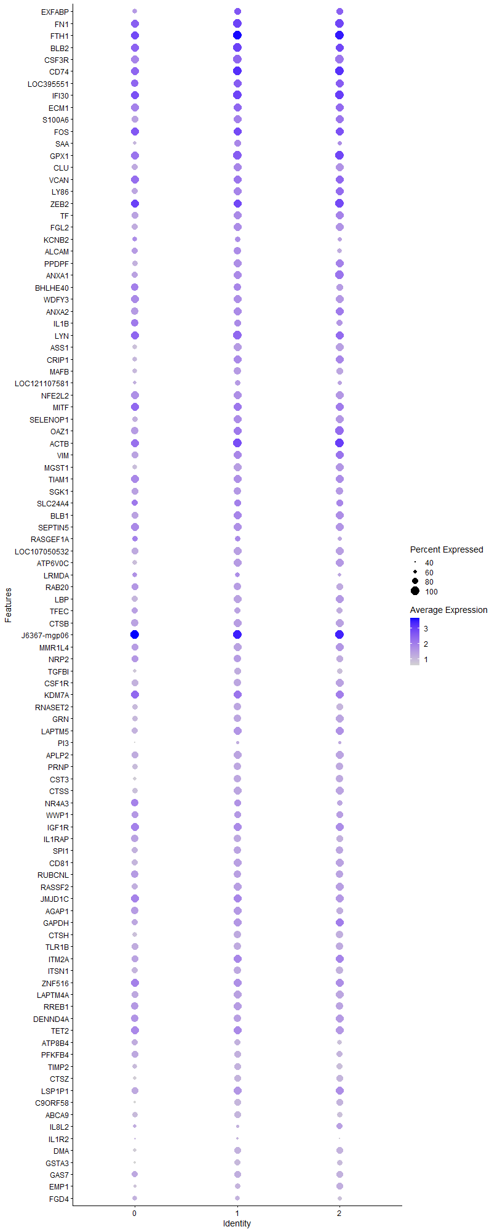
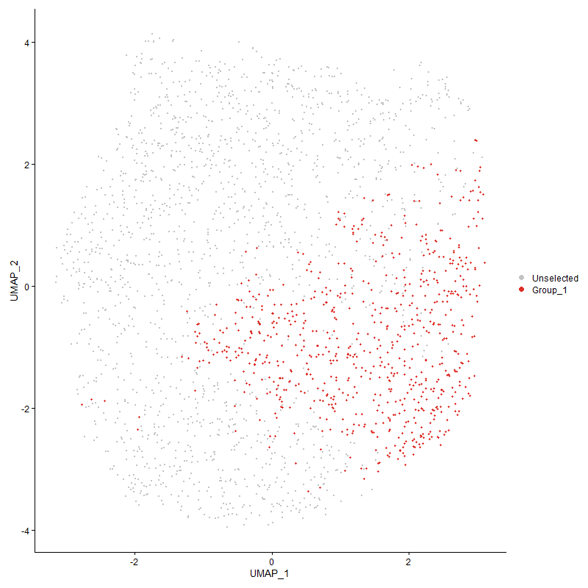
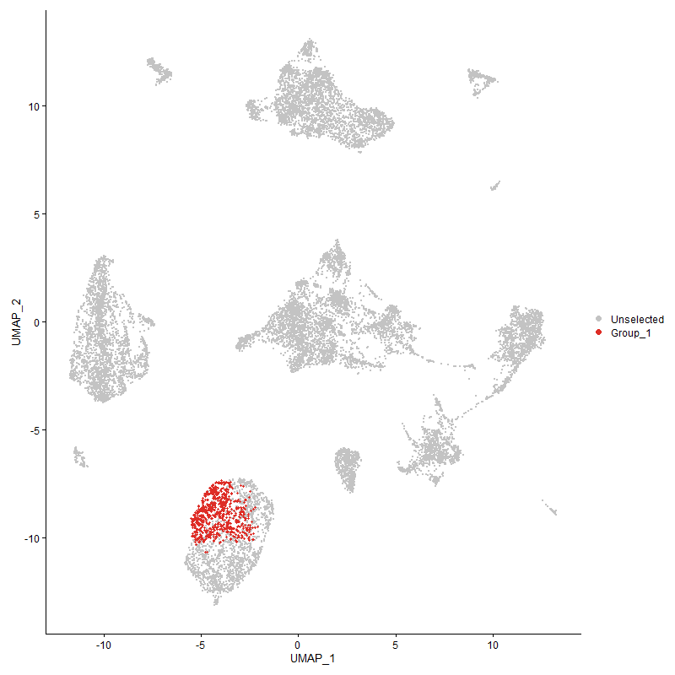
 | p_val | avg_log2FC | pct.1 | pct.2 | p_val_adj | cluster | gene
EXFABP1 | 0 | 2.7417516238 | 0.878 | 0.091 | 0 | 1 | EXFABP
FN11 | 0 | 2.7162365099 | 1 | 0.121 | 0 | 1 | FN1
FTH11 | 0 | 2.5865011662 | 1 | 0.58 | 0 | 1 | FTH1
BLB21 | 0 | 2.363244374 | 1 | 0.305 | 0 | 1 | BLB2
CSF3R1 | 0 | 2.3097690561 | 1 | 0.136 | 0 | 1 | CSF3R
CD741 | 0 | 2.2761966214 | 1 | 0.349 | 0 | 1 | CD74
LOC3955511 | 0 | 2.2023123955 | 0.977 | 0.163 | 0 | 1 | LOC395551
IFI301 | 0 | 2.1387507493 | 1 | 0.46 | 0 | 1 | IFI30
ECM11 | 0 | 2.0980564943 | 0.997 | 0.166 | 0 | 1 | ECM1
S100A61 | 0 | 1.8932252992 | 0.956 | 0.104 | 0 | 1 | S100A6
FOS1 | 0 | 1.8915226372 | 0.996 | 0.537 | 0 | 1 | FOS
SAA1 | 0 | 1.8676937904 | 0.804 | 0.073 | 0 | 1 | SAA
GPX11 | 0 | 1.8578659252 | 1 | 0.425 | 0 | 1 | GPX1
CLU1 | 0 | 1.8488808581 | 0.978 | 0.126 | 0 | 1 | CLU
VCAN1 | 0 | 1.8405697516 | 0.969 | 0.107 | 0 | 1 | VCAN
LY861 | 0 | 1.7851059608 | 0.958 | 0.093 | 0 | 1 | LY86
ZEB21 | 0 | 1.7661742493 | 0.997 | 0.265 | 0 | 1 | ZEB2
TF1 | 0 | 1.7176915171 | 0.988 | 0.103 | 0 | 1 | TF
FGL21 | 0 | 1.6532333575 | 0.966 | 0.15 | 0 | 1 | FGL2
KCNB21 | 0 | 1.6461762811 | 0.727 | 0.069 | 0 | 1 | KCNB2
ALCAM1 | 0 | 1.6437873751 | 0.857 | 0.104 | 0 | 1 | ALCAM
PPDPF1 | 0 | 1.6280105842 | 0.97 | 0.105 | 0 | 1 | PPDPF
ANXA12 | 0 | 1.6264915621 | 0.946 | 0.108 | 0 | 1 | ANXA1
BHLHE401 | 0 | 1.5945318777 | 0.903 | 0.165 | 0 | 1 | BHLHE40
WDFY31 | 0 | 1.5884517317 | 0.978 | 0.103 | 0 | 1 | WDFY3
ANXA21 | 0 | 1.5786500358 | 0.956 | 0.145 | 0 | 1 | ANXA2
IL1B1 | 0 | 1.5593172723 | 0.837 | 0.114 | 0 | 1 | IL1B
LYN1 | 0 | 1.5435005669 | 0.999 | 0.324 | 0 | 1 | LYN
ASS11 | 0 | 1.5058962569 | 0.929 | 0.076 | 0 | 1 | ASS1
CRIP11 | 0 | 1.5024090118 | 0.94 | 0.261 | 0 | 1 | CRIP1
MAFB1 | 0 | 1.4895647704 | 0.879 | 0.072 | 0 | 1 | MAFB
LOC1211075811 | 0 | 1.4873514815 | 0.687 | 0.069 | 0 | 1 | LOC121107581
NFE2L21 | 0 | 1.486113727 | 0.952 | 0.147 | 0 | 1 | NFE2L2
MITF1 | 0 | 1.4803966936 | 0.958 | 0.252 | 0 | 1 | MITF
SELENOP11 | 0 | 1.4788913536 | 0.954 | 0.253 | 0 | 1 | SELENOP1
OAZ11 | 0 | 1.4619590286 | 0.985 | 0.439 | 0 | 1 | OAZ1
ACTB1 | 1.114735438E-297 | 1.4211572487 | 0.996 | 0.674 | 1.7023124873E-293 | 1 | ACTB
VIM1 | 0 | 1.3994699816 | 0.936 | 0.294 | 0 | 1 | VIM
MGST11 | 0 | 1.3775825777 | 0.933 | 0.091 | 0 | 1 | MGST1
TIAM11 | 0 | 1.3567263164 | 0.954 | 0.191 | 0 | 1 | TIAM1
SGK11 | 0 | 1.3521017892 | 0.839 | 0.122 | 0 | 1 | SGK1
SLC24A41 | 2.1915821692E-224 | 1.346010604 | 0.777 | 0.273 | 3.3467651307E-220 | 1 | SLC24A4
BLB11 | 0 | 1.338284019 | 0.959 | 0.266 | 0 | 1 | BLB1
SEPTIN51 | 0 | 1.3289885489 | 0.959 | 0.2 | 0 | 1 | SEPTIN5
RASGEF1A1 | 3.6071722948E-187 | 1.3210260525 | 0.699 | 0.252 | 5.5085128114E-183 | 1 | RASGEF1A
LOC1070505321 | 0 | 1.3187676062 | 0.931 | 0.11 | 0 | 1 | LOC107050532
ATP6V0C1 | 0 | 1.3099045058 | 0.909 | 0.164 | 0 | 1 | ATP6V0C
LRMDA1 | 0 | 1.3059819515 | 0.697 | 0.133 | 0 | 1 | LRMDA
RAB201 | 0 | 1.2789498422 | 0.871 | 0.109 | 0 | 1 | RAB20
LBP1 | 0 | 1.2709322815 | 0.871 | 0.094 | 0 | 1 | LBP
TFEC1 | 0 | 1.268374468 | 0.727 | 0.079 | 0 | 1 | TFEC
CTSB1 | 0 | 1.2395992782 | 0.925 | 0.164 | 0 | 1 | CTSB
J6367-mgp061 | 9.3448712702E-304 | 1.237895842 | 1 | 0.974 | 1.4270552917E-299 | 1 | J6367-mgp06
MMR1L41 | 0 | 1.2272668972 | 0.884 | 0.093 | 0 | 1 | MMR1L4
NRP21 | 0 | 1.2119621934 | 0.863 | 0.171 | 0 | 1 | NRP2
TGFBI1 | 0 | 1.2092469271 | 0.77 | 0.056 | 0 | 1 | TGFBI
CSF1R1 | 0 | 1.2028128329 | 0.89 | 0.091 | 0 | 1 | CSF1R
KDM7A1 | 7.2407852852E-258 | 1.1918915167 | 0.981 | 0.523 | 1.1057403209E-253 | 1 | KDM7A
RNASET21 | 0 | 1.1903499749 | 0.882 | 0.131 | 0 | 1 | RNASET2
GRN1 | 0 | 1.1887994807 | 0.893 | 0.119 | 0 | 1 | GRN
LAPTM51 | 0 | 1.1801274875 | 0.943 | 0.311 | 0 | 1 | LAPTM5
PI31 | 0 | 1.1775609348 | 0.498 | 0.047 | 0 | 1 | PI3
APLP21 | 0 | 1.1552044608 | 0.894 | 0.146 | 0 | 1 | APLP2
PRNP1 | 0 | 1.1455673115 | 0.852 | 0.13 | 0 | 1 | PRNP
CST31 | 0 | 1.1353593269 | 0.842 | 0.139 | 0 | 1 | CST3
CTSS1 | 0 | 1.1307997972 | 0.902 | 0.181 | 0 | 1 | CTSS
NR4A31 | 0 | 1.1304399098 | 0.807 | 0.211 | 0 | 1 | NR4A3
WWP11 | 2.239570955E-279 | 1.1293312329 | 0.795 | 0.241 | 3.4200488053E-275 | 1 | WWP1
IGF1R1 | 1.5436760454E-300 | 1.106815337 | 0.948 | 0.329 | 2.357347689E-296 | 1 | IGF1R
IL1RAP1 | 0 | 1.1060860897 | 0.857 | 0.106 | 0 | 1 | IL1RAP
SPI11 | 0 | 1.1055278689 | 0.891 | 0.174 | 0 | 1 | SPI1
CD811 | 0 | 1.1037308158 | 0.899 | 0.235 | 0 | 1 | CD81
RUBCNL1 | 0 | 1.1032242456 | 0.865 | 0.201 | 0 | 1 | RUBCNL
RASSF21 | 0 | 1.0986943258 | 0.901 | 0.247 | 0 | 1 | RASSF2
JMJD1C1 | 4.029964845E-261 | 1.0799597063 | 0.963 | 0.488 | 6.1541593148E-257 | 1 | JMJD1C
AGAP11 | 0 | 1.0706844848 | 0.91 | 0.267 | 0 | 1 | AGAP1
GAPDH1 | 0 | 1.0612669056 | 0.903 | 0.311 | 0 | 1 | GAPDH
CTSH1 | 0 | 1.0591771353 | 0.848 | 0.179 | 0 | 1 | CTSH
TLR1B1 | 0 | 1.0576733784 | 0.815 | 0.115 | 0 | 1 | TLR1B
ITM2A1 | 6.2074141805E-284 | 1.0559206677 | 0.978 | 0.486 | 9.479342195E-280 | 1 | ITM2A
ITSN11 | 0 | 1.0495887627 | 0.844 | 0.171 | 0 | 1 | ITSN1
ZNF5161 | 0 | 1.0491766806 | 0.914 | 0.244 | 0 | 1 | ZNF516
LAPTM4A1 | 0 | 1.0421495038 | 0.906 | 0.253 | 0 | 1 | LAPTM4A
RREB11 | 0 | 1.0351547661 | 0.903 | 0.282 | 0 | 1 | RREB1
DENND4A1 | 0 | 1.0270635647 | 0.852 | 0.208 | 0 | 1 | DENND4A
TET21 | 2.3312124538E-234 | 1.0248118902 | 0.939 | 0.422 | 3.5599945383E-230 | 1 | TET2
ATP8B41 | 0 | 1.0107149466 | 0.695 | 0.072 | 0 | 1 | ATP8B4
PFKFB41 | 0 | 1.0003462321 | 0.763 | 0.097 | 0 | 1 | PFKFB4
TIMP21 | 0 | 0.99855866484 | 0.767 | 0.101 | 0 | 1 | TIMP2
CTSZ1 | 0 | 0.99518116902 | 0.762 | 0.09 | 0 | 1 | CTSZ
LSP1P11 | 3.1725600433E-289 | 0.98919525569 | 0.939 | 0.395 | 4.8448164422E-285 | 1 | LSP1P1
C9ORF581 | 0 | 0.98885500676 | 0.733 | 0.061 | 0 | 1 | C9ORF58
ABCA91 | 0 | 0.97018101685 | 0.752 | 0.071 | 0 | 1 | ABCA9
IL8L21 | 0 | 0.9687906477 | 0.472 | 0.068 | 0 | 1 | IL8L2
IL1R21 | 0 | 0.96834931127 | 0.424 | 0.041 | 0 | 1 | IL1R2
DMA1 | 0 | 0.96755330923 | 0.789 | 0.133 | 0 | 1 | DMA
GSTA31 | 0 | 0.96652959983 | 0.671 | 0.05 | 0 | 1 | GSTA3
GAS71 | 0 | 0.95822455226 | 0.771 | 0.12 | 0 | 1 | GAS7
EMP11 | 0 | 0.94904108424 | 0.644 | 0.089 | 0 | 1 | EMP1
FGD41 | 0 | 0.94690696076 | 0.612 | 0.093 | 0 | 1 | FGD4
GBE11 | 1.1420470255E-240 | 0.93939088895 | 0.758 | 0.223 | 1.7440200126E-236 | 1 | GBE1
SLC8A11 | 0 | 0.93835338498 | 0.694 | 0.069 | 0 | 1 | SLC8A1
BTBD111 | 2.5018143395E-282 | 0.93250232113 | 0.722 | 0.178 | 3.8205206778E-278 | 1 | BTBD11
AVD1 | 0 | 0.93213820144 | 0.411 | 0.035 | 0 | 1 | AVD
EEF2 | 2.7661305133E-218 | 0.92840845181 | 0.925 | 0.446 | 4.2241579068E-214 | 1 | EEF2
LOC1017506351 | 0 | 0.92203079171 | 0.733 | 0.098 | 0 | 1 | LOC101750635
TPP11 | 0 | 0.91847845817 | 0.839 | 0.172 | 0 | 1 | TPP1
MAMLD11 | 5.8461894264E-215 | 0.91285498415 | 0.857 | 0.319 | 8.927715873E-211 | 1 | MAMLD1
BF21 | 4.0297637321E-226 | 0.90862091742 | 0.996 | 0.689 | 6.1538521953E-222 | 1 | BF2
LGMN1 | 0 | 0.90063786071 | 0.79 | 0.188 | 0 | 1 | LGMN
TXNRD11 | 0 | 0.89868757012 | 0.624 | 0.104 | 0 | 1 | TXNRD1
SORBS11 | 0 | 0.89002583436 | 0.69 | 0.077 | 0 | 1 | SORBS1
TNS11 | 0 | 0.88873547723 | 0.727 | 0.072 | 0 | 1 | TNS1
FNDC3B1 | 0 | 0.88733424184 | 0.747 | 0.145 | 0 | 1 | FNDC3B
GSL1 | 0 | 0.88523686095 | 0.717 | 0.065 | 0 | 1 | GSL
PIK3R51 | 1.6255471801E-255 | 0.88188873056 | 0.871 | 0.318 | 2.4823730988E-251 | 1 | PIK3R5
MPEG11 | 0 | 0.88183211061 | 0.703 | 0.064 | 0 | 1 | MPEG1
CHD71 | 6.3705560091E-198 | 0.88113223576 | 0.905 | 0.409 | 9.7284760815E-194 | 1 | CHD7
ANKRD13A1 | 0 | 0.87950381873 | 0.782 | 0.177 | 0 | 1 | ANKRD13A
CD831 | 7.2018035845E-159 | 0.87581205567 | 0.626 | 0.218 | 1.0997874254E-154 | 1 | CD83
HMOX11 | 0 | 0.8717417734 | 0.547 | 0.061 | 0 | 1 | HMOX1
MARCH81 | 1.2596336153E-213 | 0.87011905732 | 0.927 | 0.39 | 1.923586494E-209 | 1 | MARCH8
TRIO1 | 9.6570623574E-177 | 0.86343946136 | 0.916 | 0.417 | 1.4747299926E-172 | 1 | TRIO
PITPNA1 | 8.5827257246E-270 | 0.86208409038 | 0.819 | 0.249 | 1.3106680454E-265 | 1 | PITPNA
AHR1A1 | 2.8559495453E-305 | 0.86192401074 | 0.777 | 0.195 | 4.3613205507E-301 | 1 | AHR1A
RSFR1 | 0 | 0.85437824287 | 0.629 | 0.053 | 0 | 1 | RSFR
ATRN1 | 3.7523219329E-218 | 0.84525870894 | 0.954 | 0.447 | 5.7301708238E-214 | 1 | ATRN
TXN1 | 0 | 0.84277402084 | 0.717 | 0.104 | 0 | 1 | TXN
SLC2A91 | 0 | 0.84255167366 | 0.554 | 0.047 | 0 | 1 | SLC2A9
MYOF1 | 0 | 0.84248421175 | 0.627 | 0.068 | 0 | 1 | MYOF
LGALS1A1 | 0 | 0.83618944189 | 0.637 | 0.067 | 0 | 1 | LGALS1A
LDHA1 | 0 | 0.83195208802 | 0.72 | 0.11 | 0 | 1 | LDHA
PSAP1 | 0 | 0.83144121415 | 0.701 | 0.109 | 0 | 1 | PSAP
LAMP11 | 0 | 0.81892909763 | 0.771 | 0.16 | 0 | 1 | LAMP1
HTR1F1 | 0 | 0.81856824057 | 0.529 | 0.085 | 0 | 1 | HTR1F
CD991 | 0 | 0.81409443167 | 0.654 | 0.068 | 0 | 1 | CD99
LOC4204191 | 0 | 0.81248981973 | 0.701 | 0.145 | 0 | 1 | LOC420419
EFHD11 | 0 | 0.81056337136 | 0.693 | 0.108 | 0 | 1 | EFHD1
ANTXR21 | 1.1520704698E-146 | 0.80653305895 | 0.859 | 0.42 | 1.7593268144E-142 | 1 | ANTXR2
LCP11 | 2.9851327483E-224 | 0.80605740913 | 0.886 | 0.363 | 4.5585962199E-220 | 1 | LCP1
CALM2 | 1.4100001185E-214 | 0.8006275152 | 0.864 | 0.348 | 2.153211181E-210 | 1 | CALM2
CAMK1D1 | 7.3046914058E-152 | 0.80004634564 | 0.909 | 0.451 | 1.1154994246E-147 | 1 | CAMK1D
CTSC1 | 2.8150473244E-301 | 0.79713109201 | 0.766 | 0.2 | 4.2988587691E-297 | 1 | CTSC
NPC21 | 0 | 0.79516196438 | 0.644 | 0.079 | 0 | 1 | NPC2
FNIP11 | 1.0028361645E-187 | 0.79233803437 | 0.736 | 0.259 | 1.5314311068E-183 | 1 | FNIP1
FRY1 | 3.6356611328E-256 | 0.79071576326 | 0.784 | 0.224 | 5.5520181159E-252 | 1 | FRY
PLSCR11 | 0 | 0.78420090281 | 0.607 | 0.095 | 0 | 1 | PLSCR1
FAP1 | 0 | 0.78161139913 | 0.584 | 0.061 | 0 | 1 | FAP
ANGPT11 | 0 | 0.78158496366 | 0.576 | 0.074 | 0 | 1 | ANGPT1
SMAP21 | 4.1857238275E-257 | 0.77378371479 | 0.849 | 0.286 | 6.392018857E-253 | 1 | SMAP2
TLR2A1 | 0 | 0.77243042555 | 0.641 | 0.059 | 0 | 1 | TLR2A
PTPN21 | 4.7562062241E-170 | 0.76834768427 | 0.85 | 0.383 | 7.2632025248E-166 | 1 | PTPN2
MAML21 | 3.9444756077E-230 | 0.75641597115 | 0.69 | 0.184 | 6.0236087006E-226 | 1 | MAML2
CCR51 | 0 | 0.75604766032 | 0.615 | 0.061 | 0 | 1 | CCR5
PLXNA11 | 0 | 0.75199612083 | 0.527 | 0.061 | 0 | 1 | PLXNA1
RHOA | 2.3270559424E-198 | 0.7512244198 | 0.909 | 0.405 | 3.5536471296E-194 | 1 | RHOA
S100A121 | 1.508336626E-228 | 0.75051111789 | 0.468 | 0.088 | 2.3033808615E-224 | 1 | S100A12
PABPC11 | 2.7740156985E-166 | 0.74507990154 | 0.988 | 0.662 | 4.2361993732E-162 | 1 | PABPC1
SRGAP21 | 0 | 0.7436352492 | 0.665 | 0.108 | 0 | 1 | SRGAP2
AHRR1 | 0 | 0.74034741142 | 0.479 | 0.053 | 0 | 1 | AHRR
SDCBP1 | 0 | 0.73589868857 | 0.694 | 0.135 | 0 | 1 | SDCBP
KCTD121 | 0 | 0.73495041732 | 0.588 | 0.067 | 0 | 1 | KCTD12
USP61 | 8.5005252739E-162 | 0.73427435087 | 0.803 | 0.341 | 1.2981152146E-157 | 1 | USP6
PLA2R11 | 0 | 0.73123500682 | 0.582 | 0.075 | 0 | 1 | PLA2R1
TNFRSF211 | 8.8734163273E-239 | 0.72569769481 | 0.776 | 0.243 | 1.3550594073E-234 | 1 | TNFRSF21
LRP11 | 0 | 0.72566219298 | 0.649 | 0.072 | 0 | 1 | LRP1
SLC16A71 | 0 | 0.72043011499 | 0.452 | 0.033 | 0 | 1 | SLC16A7
LOC1070509551 | 5.8906456073E-262 | 0.71608407289 | 0.686 | 0.18 | 8.995604907E-258 | 1 | LOC107050955
MAFF1 | 0 | 0.71535269018 | 0.582 | 0.073 | 0 | 1 | MAFF
J6367-mgp041 | 1.6920844701E-171 | 0.71458691595 | 1 | 0.974 | 2.5839821943E-167 | 1 | J6367-mgp04
IL181 | 1.1419016973E-248 | 0.71412261473 | 0.555 | 0.118 | 1.743798082E-244 | 1 | IL18
CADM11 | 0 | 0.71163713619 | 0.43 | 0.036 | 0 | 1 | CADM1
LTA4H1 | 6.474965465E-272 | 0.71021503798 | 0.58 | 0.124 | 9.8879197615E-268 | 1 | LTA4H
J6367-mgp071 | 3.3700216443E-183 | 0.70940125436 | 1 | 1 | 5.146360053E-179 | 1 | J6367-mgp07
PLXNC11 | 7.8239878475E-203 | 0.70703881997 | 0.901 | 0.342 | 1.1948011842E-198 | 1 | PLXNC1
DMB21 | 0 | 0.70349013228 | 0.619 | 0.115 | 0 | 1 | DMB2
EGR11 | 3.3765006913E-260 | 0.70302026605 | 0.607 | 0.134 | 5.1562542057E-256 | 1 | EGR1
AZIN11 | 2.0527028998E-295 | 0.69885699833 | 0.703 | 0.165 | 3.1346825982E-291 | 1 | AZIN1
IPCEF11 | 1.0741176961E-176 | 0.69833927396 | 0.743 | 0.251 | 1.6402851337E-172 | 1 | IPCEF1
AP1S21 | 0 | 0.69220282562 | 0.66 | 0.122 | 0 | 1 | AP1S2
TPT1 | 1.2801217503E-144 | 0.68585667174 | 0.941 | 0.552 | 1.9548739249E-140 | 1 | TPT1
DSTN1 | 1.0681859106E-150 | 0.68437897529 | 0.97 | 0.647 | 1.6312267041E-146 | 1 | DSTN
BCL61 | 4.0851876993E-212 | 0.68293081946 | 0.6 | 0.159 | 6.2384901355E-208 | 1 | BCL6
PNRC11 | 7.9558745184E-136 | 0.68151305012 | 0.981 | 0.673 | 1.2149415977E-131 | 1 | PNRC1
MXD11 | 0 | 0.67586511981 | 0.619 | 0.104 | 0 | 1 | MXD1
ENO1 | 1.4178125309E-184 | 0.67556255963 | 0.822 | 0.333 | 2.1651415159E-180 | 1 | ENO1
RACK1 | 1.6535694856E-132 | 0.67419913924 | 0.912 | 0.5 | 2.5251659614E-128 | 1 | RACK1
ARL4C1 | 0 | 0.67366868351 | 0.589 | 0.063 | 0 | 1 | ARL4C
DCLK31 | 0 | 0.67300810105 | 0.497 | 0.049 | 0 | 1 | DCLK3
PRDX11 | 3.3216123281E-225 | 0.67016671103 | 0.661 | 0.186 | 5.0724341862E-221 | 1 | PRDX1
J6367-mgp031 | 5.5510953749E-162 | 0.66917680874 | 1 | 0.988 | 8.4770777471E-158 | 1 | J6367-mgp03
RAB7A1 | 1.3454242333E-217 | 0.66890846971 | 0.718 | 0.219 | 2.0545973467E-213 | 1 | RAB7A
EPN21 | 7.8513187599E-168 | 0.66428735486 | 0.784 | 0.308 | 1.1989748878E-163 | 1 | EPN2
RASGRP11 | 1.1103151634E-113 | 0.66385430715 | 0.803 | 0.412 | 1.695562286E-109 | 1 | RASGRP1
LOC4268201 | 0 | 0.66180574472 | 0.537 | 0.04 | 0 | 1 | LOC426820
J6367-mgp111 | 5.6751865094E-173 | 0.65970276001 | 1 | 1 | 8.6665773185E-169 | 1 | J6367-mgp11
PTPN61 | 4.6159431985E-261 | 0.65926817997 | 0.716 | 0.187 | 7.0490068585E-257 | 1 | PTPN6
PTPRN21 | 0 | 0.65811368146 | 0.303 | 0.027 | 0 | 1 | PTPRN2
FCER1G1 | 0 | 0.65706454849 | 0.593 | 0.069 | 0 | 1 | FCER1G
PRCP | 0 | 0.65685555286 | 0.569 | 0.081 | 0 | 1 | PRCP
MECR1 | 0 | 0.65556633626 | 0.596 | 0.08 | 0 | 1 | MECR
DUSP11 | 2.1814643535E-111 | 0.65434769197 | 0.731 | 0.353 | 3.3313142142E-107 | 1 | DUSP1
TPPP3 | 0 | 0.65379230131 | 0.356 | 0.015 | 0 | 1 | TPPP3
KIAA09301 | 2.8104628043E-247 | 0.65324014745 | 0.548 | 0.117 | 4.2918577485E-243 | 1 | KIAA0930
SKAP21 | 4.3390977395E-148 | 0.65299356171 | 0.823 | 0.344 | 6.626236158E-144 | 1 | SKAP2
SLC1A61 | 0 | 0.65162844678 | 0.548 | 0.046 | 0 | 1 | SLC1A6
SAT11 | 5.0483352834E-178 | 0.64862634955 | 0.781 | 0.287 | 7.7093128113E-174 | 1 | SAT1
ELL1 | 2.8898539327E-190 | 0.64799985994 | 0.682 | 0.222 | 4.4130959406E-186 | 1 | ELL
NET11 | 0 | 0.64291063854 | 0.535 | 0.067 | 0 | 1 | NET1
CLIC21 | 2.4277825212E-191 | 0.64258003055 | 0.797 | 0.295 | 3.7074666882E-187 | 1 | CLIC2
PPARG1 | 3.5445749449E-266 | 0.63736012655 | 0.396 | 0.056 | 5.4129203984E-262 | 1 | PPARG
ITGAD1 | 3.5893892111E-245 | 0.63671471522 | 0.694 | 0.179 | 5.4813562643E-241 | 1 | ITGAD
MARK11 | 1.363087114E-275 | 0.63531084891 | 0.569 | 0.114 | 2.0815703318E-271 | 1 | MARK1
FOSL21 | 1.3557346403E-206 | 0.63526847394 | 0.671 | 0.195 | 2.0703423693E-202 | 1 | FOSL2
CPEB21 | 5.3248092931E-149 | 0.63433336046 | 0.524 | 0.157 | 8.1315162715E-145 | 1 | CPEB2
CAST1 | 3.7964862656E-231 | 0.63346090031 | 0.656 | 0.173 | 5.7976141761E-227 | 1 | CAST
BCAT11 | 3.3638889952E-116 | 0.63295552569 | 0.82 | 0.406 | 5.1369948845E-112 | 1 | BCAT1
LRP51 | 0 | 0.63221955418 | 0.52 | 0.067 | 0 | 1 | LRP5
ANXA111 | 9.8076040116E-203 | 0.62935349724 | 0.792 | 0.275 | 1.4977192086E-198 | 1 | ANXA11
APP1 | 1.0424663933E-183 | 0.6289776664 | 0.788 | 0.269 | 1.5919504291E-179 | 1 | APP
SELP | 4.5488683871E-156 | 0.62888912414 | 0.902 | 0.43 | 6.9465769139E-152 | 1 | SELP
PARD31 | 0 | 0.62758568897 | 0.435 | 0.051 | 0 | 1 | PARD3
NHSL11 | 3.2939369825E-214 | 0.62674398289 | 0.377 | 0.064 | 5.030171166E-210 | 1 | NHSL1
CD631 | 2.9982696847E-172 | 0.62629730213 | 0.803 | 0.316 | 4.5786576355E-168 | 1 | CD63
MXI11 | 9.115468943E-131 | 0.62559584159 | 0.401 | 0.109 | 1.3920232623E-126 | 1 | MXI1
NEK61 | 1.821635261E-195 | 0.62330430995 | 0.668 | 0.205 | 2.781819207E-191 | 1 | NEK6
AES1 | 0 | 0.62243722251 | 0.535 | 0.063 | 0 | 1 | AES
TPM31 | 3.3881379633E-156 | 0.62186409304 | 0.897 | 0.441 | 5.1740254838E-152 | 1 | TPM3
RAP1A1 | 4.3755318658E-151 | 0.62163451708 | 0.837 | 0.387 | 6.6818747123E-147 | 1 | RAP1A
TALDO11 | 0 | 0.61866627083 | 0.599 | 0.102 | 0 | 1 | TALDO1
HMGB1 | 2.9845652679E-135 | 0.61809401117 | 0.902 | 0.487 | 4.5577296206E-131 | 1 | HMGB1
CD881 | 0 | 0.61791095047 | 0.51 | 0.076 | 0 | 1 | CD88
EEF1D | 1.52857652E-147 | 0.61771320122 | 0.812 | 0.359 | 2.3342892037E-143 | 1 | EEF1D
BACH11 | 1.4778872635E-236 | 0.61756350981 | 0.615 | 0.15 | 2.25688164E-232 | 1 | BACH1
CTSA1 | 0 | 0.6172914816 | 0.558 | 0.068 | 0 | 1 | CTSA
GNAI21 | 2.7095196999E-175 | 0.61576287566 | 0.846 | 0.346 | 4.1377075337E-171 | 1 | GNAI2
SPSB11 | 3.2034311087E-204 | 0.61556633854 | 0.634 | 0.177 | 4.8919596462E-200 | 1 | SPSB1
GNAI31 | 4.4132628373E-223 | 0.61514757998 | 0.661 | 0.184 | 6.7394936788E-219 | 1 | GNAI3
SPECC11 | 0 | 0.61487894319 | 0.499 | 0.073 | 0 | 1 | SPECC1
GINM11 | 0 | 0.61449960332 | 0.571 | 0.103 | 0 | 1 | GINM1
BTG21 | 2.3960112797E-134 | 0.61431273114 | 0.777 | 0.342 | 3.6589488252E-130 | 1 | BTG2
RASGEF1B1 | 0 | 0.60985205814 | 0.473 | 0.054 | 0 | 1 | RASGEF1B
ARF6 | 7.9563764827E-156 | 0.60874346879 | 0.812 | 0.35 | 1.2150182527E-151 | 1 | ARF6
RAB1B1 | 3.2603669106E-178 | 0.60612726164 | 0.795 | 0.31 | 4.9789063091E-174 | 1 | RAB1B
C1QC1 | 0 | 0.59717332777 | 0.444 | 0.033 | 0 | 1 | C1QC
RPS6KA31 | 8.735285851E-111 | 0.59696597051 | 0.869 | 0.478 | 1.3339655023E-106 | 1 | RPS6KA3
DOCK41 | 0 | 0.59259247444 | 0.439 | 0.045 | 0 | 1 | DOCK4
TAX1BP11 | 2.7559843823E-137 | 0.59158493434 | 0.769 | 0.332 | 4.2086637502E-133 | 1 | TAX1BP1
SH3BGRL1 | 1.8825857629E-113 | 0.59110233744 | 0.89 | 0.539 | 2.8748967185E-109 | 1 | SH3BGRL
PDE4B1 | 4.8995281641E-140 | 0.58565280142 | 0.634 | 0.235 | 7.4820694594E-136 | 1 | PDE4B
RPL4 | 2.1216094861E-97 | 0.58362257121 | 0.925 | 0.603 | 3.2399098463E-93 | 1 | RPL4
S100A11 | 8.852018915E-245 | 0.58129272855 | 0.595 | 0.136 | 1.3517918085E-240 | 1 | S100A11
FABP31 | 0 | 0.58121614832 | 0.463 | 0.048 | 0 | 1 | FABP3
PID11 | 0 | 0.58079563749 | 0.457 | 0.051 | 0 | 1 | PID1
PKLR1 | 2.6805330828E-213 | 0.57940707423 | 0.648 | 0.18 | 4.0934420707E-209 | 1 | PKLR
TIPARP1 | 6.3779422785E-122 | 0.57881641836 | 0.705 | 0.306 | 9.7397556535E-118 | 1 | TIPARP
LOC1008578831 | 0 | 0.57772371105 | 0.513 | 0.051 | 0 | 1 | LOC100857883
C5H14orf41 | 0 | 0.57409382193 | 0.494 | 0.071 | 0 | 1 | C5H14orf4
ATP6AP11 | 9.0463554121E-184 | 0.5740616294 | 0.729 | 0.238 | 1.381468935E-179 | 1 | ATP6AP1
CREM1 | 1.451307777E-205 | 0.57399080684 | 0.581 | 0.149 | 2.2162921063E-201 | 1 | CREM
GGH1 | 2.0998184151E-278 | 0.57195807809 | 0.518 | 0.095 | 3.2066327016E-274 | 1 | GGH
IL6R1 | 0 | 0.57163332265 | 0.513 | 0.054 | 0 | 1 | IL6R
SIPA1L21 | 6.7557079944E-256 | 0.5710361269 | 0.457 | 0.078 | 1.0316641678E-251 | 1 | SIPA1L2
SH3BGRL3 | 1.2108235313E-145 | 0.57023443075 | 0.65 | 0.24 | 1.8490486147E-141 | 1 | SH3BGRL3
MS4A4A1 | 0 | 0.56970223134 | 0.473 | 0.044 | 0 | 1 | MS4A4A
SERTAD21 | 7.0998709337E-109 | 0.56828369226 | 0.746 | 0.354 | 1.0842212903E-104 | 1 | SERTAD2
ZDHHC141 | 1.479801628E-139 | 0.56801526158 | 0.691 | 0.256 | 2.2598050661E-135 | 1 | ZDHHC14
RPL37A | 1.3187811777E-111 | 0.56679984867 | 0.97 | 0.63 | 2.0139107364E-107 | 1 | RPL37A
J6367-mgp081 | 4.4061969056E-147 | 0.5646057063 | 1 | 0.999 | 6.7287032945E-143 | 1 | J6367-mgp08
HIVEP31 | 2.8481132729E-114 | 0.56403333693 | 0.712 | 0.309 | 4.3493537791E-110 | 1 | HIVEP3
MEF2D1 | 1.3656061496E-124 | 0.55947435376 | 0.767 | 0.349 | 2.085417151E-120 | 1 | MEF2D
ACSL11 | 7.2374662844E-289 | 0.55945227203 | 0.373 | 0.046 | 1.1052334763E-284 | 1 | ACSL1
SLC16A31 | 1.7206931089E-214 | 0.5594176611 | 0.442 | 0.085 | 2.6276704466E-210 | 1 | SLC16A3
ITGAV1 | 8.2897622876E-209 | 0.55616887575 | 0.735 | 0.219 | 1.2659295989E-204 | 1 | ITGAV
E2F31 | 4.3715616224E-250 | 0.5559968697 | 0.506 | 0.096 | 6.6758117535E-246 | 1 | E2F3
NFKBIA1 | 1.6247855034E-83 | 0.54966374136 | 0.928 | 0.654 | 2.4812099422E-79 | 1 | NFKBIA
RBM471 | 0 | 0.54952798551 | 0.363 | 0.034 | 0 | 1 | RBM47
PGD1 | 0 | 0.54932562519 | 0.522 | 0.083 | 0 | 1 | PGD
PLEKHO21 | 4.5886030088E-226 | 0.54931964359 | 0.584 | 0.14 | 7.0072556547E-222 | 1 | PLEKHO2
SMPD11 | 3.6052248945E-239 | 0.5486005143 | 0.561 | 0.126 | 5.5055389364E-235 | 1 | SMPD1
HIVEP11 | 1.2367716641E-88 | 0.54822678612 | 0.746 | 0.386 | 1.8886740082E-84 | 1 | HIVEP1
BMP2K1 | 9.5702596869E-86 | 0.54679542347 | 0.897 | 0.558 | 1.4614743568E-81 | 1 | BMP2K
CCR21 | 0 | 0.54667807963 | 0.464 | 0.053 | 0 | 1 | CCR2
PARVB1 | 1.2841840917E-273 | 0.54276028674 | 0.493 | 0.082 | 1.9610775265E-269 | 1 | PARVB
ZNFX11 | 1.2270132062E-115 | 0.54249681662 | 0.713 | 0.314 | 1.8737718672E-111 | 1 | ZNFX1
ASAH11 | 1.7829474857E-303 | 0.53676579923 | 0.501 | 0.081 | 2.7227391054E-299 | 1 | ASAH1
ANXA51 | 0 | 0.53482805533 | 0.459 | 0.047 | 0 | 1 | ANXA5
BRI31 | 1.7690738924E-226 | 0.53420021645 | 0.528 | 0.116 | 2.701552741E-222 | 1 | BRI3
SLC25A6 | 1.2460626504E-155 | 0.53322506662 | 0.656 | 0.228 | 1.9028622735E-151 | 1 | SLC25A6
GADD45B1 | 6.2218724426E-252 | 0.53278941549 | 0.522 | 0.103 | 9.5014214071E-248 | 1 | GADD45B
MPP71 | 1.3684330277E-245 | 0.53100976089 | 0.4 | 0.063 | 2.0897340766E-241 | 1 | MPP7
NCOR21 | 1.0113153551E-97 | 0.53082592049 | 0.906 | 0.573 | 1.5443796787E-93 | 1 | NCOR2
GPAT31 | 3.7538606875E-229 | 0.53039180156 | 0.471 | 0.091 | 5.732520656E-225 | 1 | GPAT3
UBA52 | 1.5676563226E-123 | 0.52995073662 | 0.884 | 0.438 | 2.3939679702E-119 | 1 | UBA52
LGALS31 | 0 | 0.52902174562 | 0.459 | 0.038 | 0 | 1 | LGALS3
PGAM11 | 1.4593802008E-215 | 0.52819299168 | 0.536 | 0.124 | 2.2286195047E-211 | 1 | PGAM1
F13A11 | 4.5518411719E-257 | 0.52752444508 | 0.358 | 0.047 | 6.9511166536E-253 | 1 | F13A1
ATP6V1E11 | 1.2421727006E-252 | 0.5272851432 | 0.502 | 0.096 | 1.8969219311E-248 | 1 | ATP6V1E1
CHST131 | 1.0139780546E-284 | 0.52551066233 | 0.437 | 0.065 | 1.5484458872E-280 | 1 | CHST13
PMEPA11 | 1.931460131E-238 | 0.52528639297 | 0.363 | 0.054 | 2.949532766E-234 | 1 | PMEPA1
PLEKHA51 | 1.5399483706E-223 | 0.52380306661 | 0.433 | 0.078 | 2.3516551567E-219 | 1 | PLEKHA5
FES1 | 0 | 0.52250582466 | 0.475 | 0.071 | 0 | 1 | FES
CD471 | 2.1048216187E-89 | 0.52183283782 | 0.924 | 0.61 | 3.214273094E-85 | 1 | CD47
SMOX1 | 0 | 0.52138680778 | 0.419 | 0.048 | 0 | 1 | SMOX
HMGCS11 | 1.9530911112E-98 | 0.51931406258 | 0.547 | 0.211 | 2.9825654359E-94 | 1 | HMGCS1
PLEKHM31 | 4.6148159563E-206 | 0.51839096131 | 0.403 | 0.074 | 7.0472854468E-202 | 1 | PLEKHM3
RPLP0 | 1.0606518958E-100 | 0.5172761881 | 0.936 | 0.588 | 1.6197215101E-96 | 1 | RPLP0
TNIP21 | 1.2655912189E-89 | 0.51641073487 | 0.441 | 0.157 | 1.9326843504E-85 | 1 | TNIP2
KLF71 | 1.0960505577E-125 | 0.50963645894 | 0.585 | 0.204 | 1.6737788066E-121 | 1 | KLF7
EEPD11 | 2.0349396211E-99 | 0.50960827995 | 0.642 | 0.279 | 3.1075562954E-95 | 1 | EEPD1
CD551 | 0 | 0.50939914935 | 0.415 | 0.04 | 0 | 1 | CD55
HSPA51 | 3.6719657665E-77 | 0.50866176154 | 0.597 | 0.286 | 5.6074589221E-73 | 1 | HSPA5
PANK31 | 4.1331635993E-139 | 0.50803143141 | 0.69 | 0.263 | 6.3117541324E-135 | 1 | PANK3
C31 | 0 | 0.50499082047 | 0.42 | 0.034 | 0 | 1 | C3
BAIAP2L11 | 0 | 0.50492171105 | 0.405 | 0.044 | 0 | 1 | BAIAP2L1
ATP6V1A1 | 1.5958812444E-255 | 0.50454639765 | 0.498 | 0.093 | 2.4370702483E-251 | 1 | ATP6V1A
...

Cluster2
...



