Clustered cells
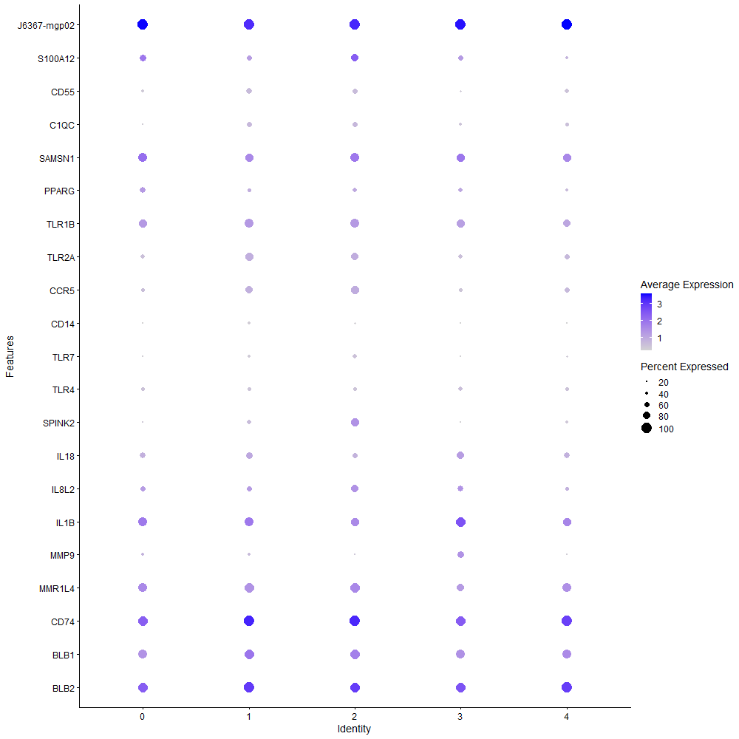
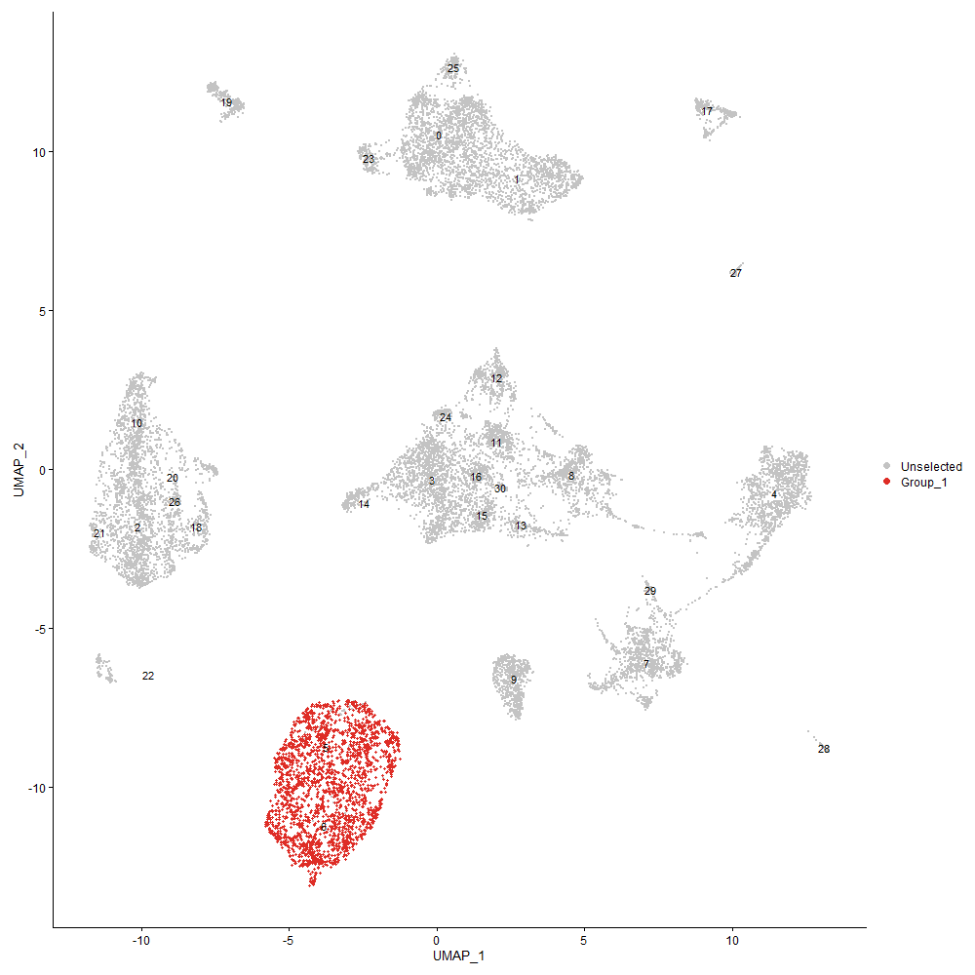
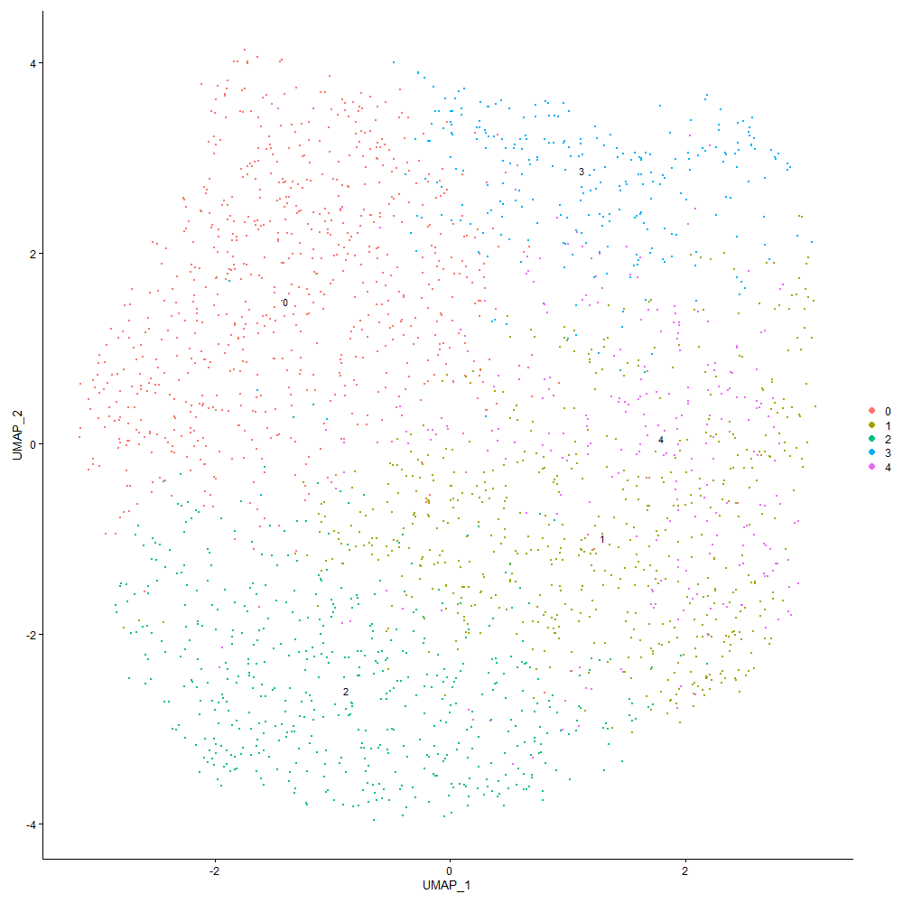
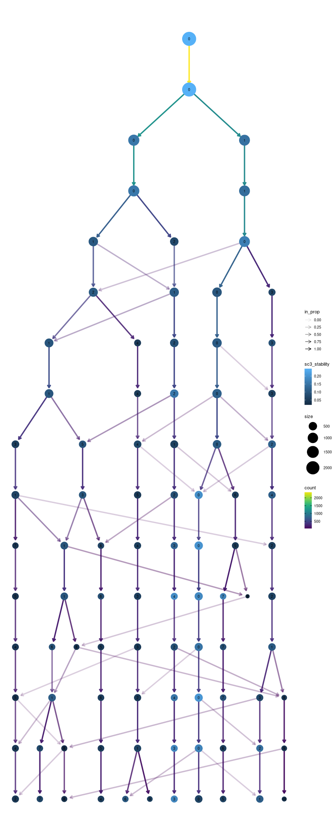

Cluster0
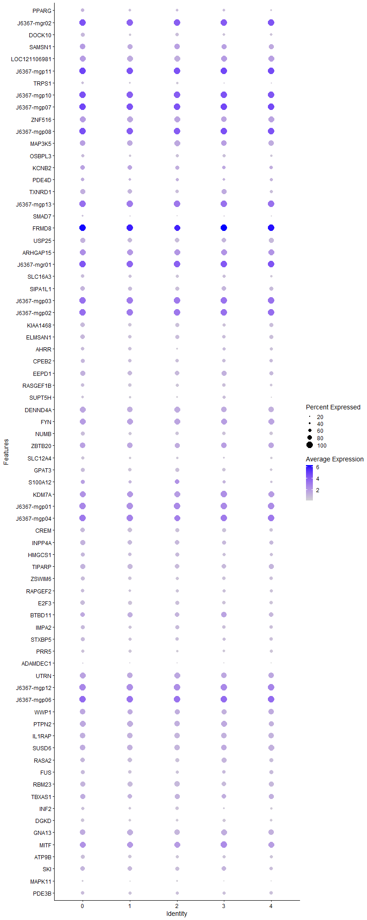
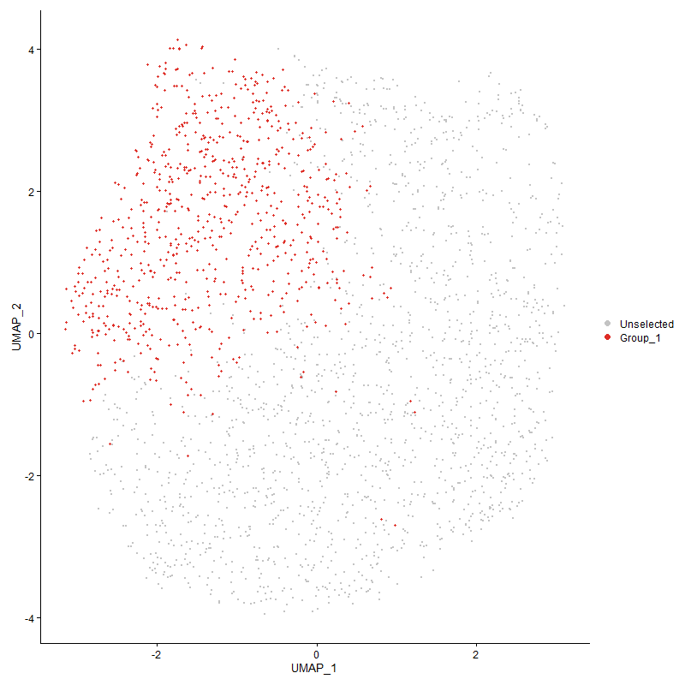
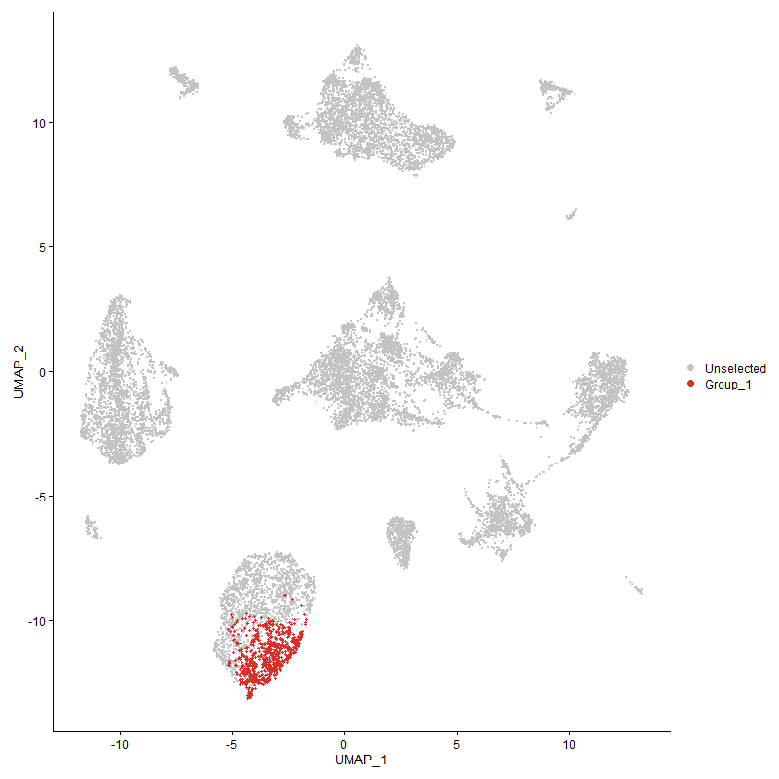
 | p_val | avg_log2FC | pct.1 | pct.2 | p_val_adj | cluster | gene
PPARG | 4.2727934851E-17 | 0.49671715668 | 0.659 | 0.498 | 6.524982931E-13 | 0 | PPARG
J6367-mgr02 | 1.7390275551E-20 | 0.47949198459 | 1 | 1 | 2.6556689794E-16 | 0 | J6367-mgr02
DOCK10 | 3.2022233753E-21 | 0.47277681844 | 0.7 | 0.543 | 4.8901153164E-17 | 0 | DOCK10
SAMSN1 | 1.1129402483E-26 | 0.465084503 | 0.932 | 0.866 | 1.6995710531E-22 | 0 | SAMSN1
LOC121106981 | 2.9725094998E-35 | 0.46318108678 | 0.953 | 0.959 | 4.5393192571E-31 | 0 | LOC121106981
J6367-mgp11 | 2.2090723143E-93 | 0.45528295848 | 1 | 1 | 3.3734743312E-89 | 0 | J6367-mgp11
TRPS1 | 2.4789452193E-13 | 0.43908350536 | 0.5 | 0.374 | 3.7855972444E-09 | 0 | TRPS1
J6367-mgp10 | 7.3855814946E-76 | 0.43578334382 | 1 | 1 | 1.12785215E-71 | 0 | J6367-mgp10
J6367-mgp07 | 7.7772045916E-80 | 0.42822226534 | 1 | 1 | 1.1876569132E-75 | 0 | J6367-mgp07
ZNF516 | 1.6637823408E-25 | 0.42659685728 | 0.972 | 0.956 | 2.5407620127E-21 | 0 | ZNF516
J6367-mgp08 | 7.4329342778E-78 | 0.41839355729 | 1 | 1 | 1.1350833936E-73 | 0 | J6367-mgp08
MAP3K5 | 3.023122061E-22 | 0.41469073374 | 0.931 | 0.917 | 4.6166096993E-18 | 0 | MAP3K5
OSBPL3 | 1.8027941868E-12 | 0.40560486638 | 0.609 | 0.503 | 2.7530470027E-08 | 0 | OSBPL3
KCNB2 | 5.0394741464E-09 | 0.39587186152 | 0.747 | 0.707 | 7.6957809689E-05 | 0 | KCNB2
PDE4D | 3.3804863193E-06 | 0.38803222726 | 0.627 | 0.561 | 0.051623406582 | 0 | PDE4D
TXNRD1 | 2.3224707547E-16 | 0.37871329066 | 0.822 | 0.718 | 3.5466450895E-12 | 0 | TXNRD1
J6367-mgp13 | 7.9078385267E-58 | 0.37295244962 | 1 | 1 | 1.2076060214E-53 | 0 | J6367-mgp13
SMAD7 | 0.00031058198883 | 0.37186774975 | 0.357 | 0.297 | 1 | 0 | SMAD7
FRMD8 | 5.7085268977E-98 | 0.37104379581 | 1 | 0.999 | 8.7174914255E-94 | 0 | FRMD8
USP25 | 1.9205209965E-18 | 0.36129234078 | 0.846 | 0.783 | 2.9328276138E-14 | 0 | USP25
ARHGAP15 | 7.1697688195E-25 | 0.36056597203 | 0.982 | 0.981 | 1.0948953964E-20 | 0 | ARHGAP15
J6367-mgr01 | 2.0578058883E-25 | 0.36010871181 | 1 | 1 | 3.1424753721E-21 | 0 | J6367-mgr01
SLC16A3 | 2.0375249879E-12 | 0.35130160234 | 0.668 | 0.56 | 3.111504409E-08 | 0 | SLC16A3
SIPA1L1 | 2.8670301052E-10 | 0.34941770841 | 0.769 | 0.711 | 4.3782416736E-06 | 0 | SIPA1L1
J6367-mgp03 | 3.83343975E-55 | 0.34725061551 | 1 | 1 | 5.8540458422E-51 | 0 | J6367-mgp03
J6367-mgp02 | 5.2213413051E-35 | 0.34305167947 | 1 | 1 | 7.973510307E-31 | 0 | J6367-mgp02
KIAA1468 | 2.0587346242E-15 | 0.34013932594 | 0.769 | 0.651 | 3.1438936446E-11 | 0 | KIAA1468
ELMSAN1 | 3.1602889272E-12 | 0.3270725044 | 0.782 | 0.686 | 4.8260772207E-08 | 0 | ELMSAN1
AHRR | 5.2440085232E-11 | 0.32322701734 | 0.654 | 0.527 | 8.0081254157E-07 | 0 | AHRR
CPEB2 | 1.0355201536E-09 | 0.3127929134 | 0.739 | 0.636 | 1.5813428265E-05 | 0 | CPEB2
EEPD1 | 9.4183584339E-13 | 0.31008545557 | 0.846 | 0.783 | 1.4382775164E-08 | 0 | EEPD1
RASGEF1B | 1.4941256286E-07 | 0.30958096032 | 0.654 | 0.592 | 0.0022816792475 | 0 | RASGEF1B
SUPT5H | 5.8427396622E-09 | 0.30783658085 | 0.518 | 0.406 | 8.9224477382E-05 | 0 | SUPT5H
DENND4A | 1.3752095024E-12 | 0.3065165239 | 0.941 | 0.926 | 2.1000824311E-08 | 0 | DENND4A
FYN | 5.4144859029E-11 | 0.30331849053 | 0.977 | 0.97 | 8.2684614224E-07 | 0 | FYN
NUMB | 2.2982565645E-12 | 0.30217326479 | 0.697 | 0.606 | 3.5096675996E-08 | 0 | NUMB
ZBTB20 | 7.5776655108E-09 | 0.29979284265 | 0.873 | 0.886 | 0.00011571853001 | 0 | ZBTB20
SLC12A4 | 2.3843007338E-08 | 0.29680963915 | 0.546 | 0.437 | 0.00036410656505 | 0 | SLC12A4
GPAT3 | 5.1161564433E-14 | 0.29664496349 | 0.738 | 0.64 | 7.8128825045E-10 | 0 | GPAT3
S100A12 | 7.915238029E-12 | 0.29328327121 | 0.736 | 0.629 | 1.2087359994E-07 | 0 | S100A12
KDM7A | 3.001059026E-18 | 0.29310679822 | 0.993 | 0.992 | 4.5829172385E-14 | 0 | KDM7A
J6367-mgp01 | 4.1313897561E-18 | 0.29310201922 | 1 | 1 | 6.3090452966E-14 | 0 | J6367-mgp01
J6367-mgp04 | 1.8617196904E-35 | 0.2869772488 | 1 | 0.999 | 2.8430321393E-31 | 0 | J6367-mgp04
CREM | 1.3593248818E-12 | 0.28597862493 | 0.78 | 0.716 | 2.075825027E-08 | 0 | CREM
INPP4A | 6.8655059809E-10 | 0.28538363986 | 0.814 | 0.744 | 1.0484314183E-05 | 0 | INPP4A
HMGCS1 | 0.00030897322431 | 0.28107549803 | 0.692 | 0.651 | 1 | 0 | HMGCS1
TIPARP | 5.398722165E-08 | 0.27847563862 | 0.835 | 0.812 | 0.00082443886181 | 0 | TIPARP
ZSWIM6 | 5.2991065003E-07 | 0.276767787 | 0.686 | 0.624 | 0.0080922655366 | 0 | ZSWIM6
RAPGEF2 | 1.0392389734E-07 | 0.27664322277 | 0.636 | 0.566 | 0.0015870218363 | 0 | RAPGEF2
E2F3 | 2.2206958435E-10 | 0.27426363788 | 0.761 | 0.666 | 3.3912246227E-06 | 0 | E2F3
BTBD11 | 1.6263480267E-06 | 0.2738666754 | 0.803 | 0.801 | 0.024835960716 | 0 | BTBD11
IMPA2 | 2.695307025E-08 | 0.27385480471 | 0.728 | 0.661 | 0.00041160033579 | 0 | IMPA2
STXBP5 | 9.5757153678E-08 | 0.27192211263 | 0.691 | 0.613 | 0.0014623074938 | 0 | STXBP5
PRR5 | 3.993860172E-08 | 0.27161514062 | 0.604 | 0.525 | 0.00060990238687 | 0 | PRR5
ADAMDEC1 | 0.00034803126248 | 0.27069773895 | 0.315 | 0.253 | 1 | 0 | ADAMDEC1
UTRN | 3.5463605393E-10 | 0.26933408579 | 0.946 | 0.925 | 5.4156471795E-06 | 0 | UTRN
J6367-mgp12 | 7.6594266381E-25 | 0.26726970679 | 1 | 1 | 1.1696710419E-20 | 0 | J6367-mgp12
J6367-mgp06 | 5.7656505555E-36 | 0.26692140901 | 1 | 1 | 8.8047249632E-32 | 0 | J6367-mgp06
WWP1 | 3.9089471479E-07 | 0.26485848089 | 0.889 | 0.858 | 0.0059693531896 | 0 | WWP1
PTPN2 | 2.4025306933E-11 | 0.26448097472 | 0.949 | 0.927 | 3.6689046217E-07 | 0 | PTPN2
IL1RAP | 7.168127375E-13 | 0.26345507674 | 0.934 | 0.901 | 1.0946447314E-08 | 0 | IL1RAP
SUSD6 | 4.3552257507E-11 | 0.26279666928 | 0.912 | 0.911 | 6.6508652439E-07 | 0 | SUSD6
RASA2 | 3.5613052903E-09 | 0.26069668873 | 0.8 | 0.741 | 5.4384693088E-05 | 0 | RASA2
FUS | 3.4625182293E-08 | 0.26065884523 | 0.709 | 0.644 | 0.0005287611588 | 0 | FUS
RBM23 | 3.6758051398E-10 | 0.26010466203 | 0.859 | 0.844 | 5.613322029E-06 | 0 | RBM23
TBXAS1 | 3.5952324173E-07 | 0.25866560255 | 0.841 | 0.792 | 0.0054902794245 | 0 | TBXAS1
INF2 | 7.5559742901E-06 | 0.25715823787 | 0.596 | 0.528 | 0.11538728338 | 0 | INF2
DGKD | 1.4809929008E-08 | 0.25461089359 | 0.619 | 0.54 | 0.00022616242589 | 0 | DGKD
GNA13 | 3.9981668046E-11 | 0.25456064513 | 0.934 | 0.935 | 6.1056005273E-07 | 0 | GNA13
MITF | 5.6739026694E-11 | 0.25325383922 | 0.981 | 0.976 | 8.6646167665E-07 | 0 | MITF
ATP9B | 2.8774201405E-08 | 0.25289103908 | 0.686 | 0.604 | 0.00043941082965 | 0 | ATP9B
SKI | 0.00021903199833 | 0.25147100019 | 0.745 | 0.72 | 1 | 0 | SKI
MAPK11 | 6.4562297226E-07 | 0.25100287256 | 0.407 | 0.322 | 0.0098593084094 | 0 | MAPK11
PDE3B | 6.0717811589E-07 | 0.25037008402 | 0.655 | 0.571 | 0.0092722170078 | 0 | PDE3B

Cluster1
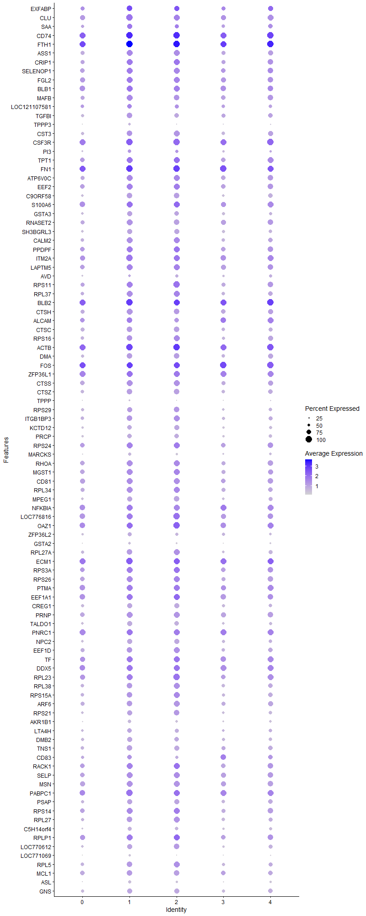
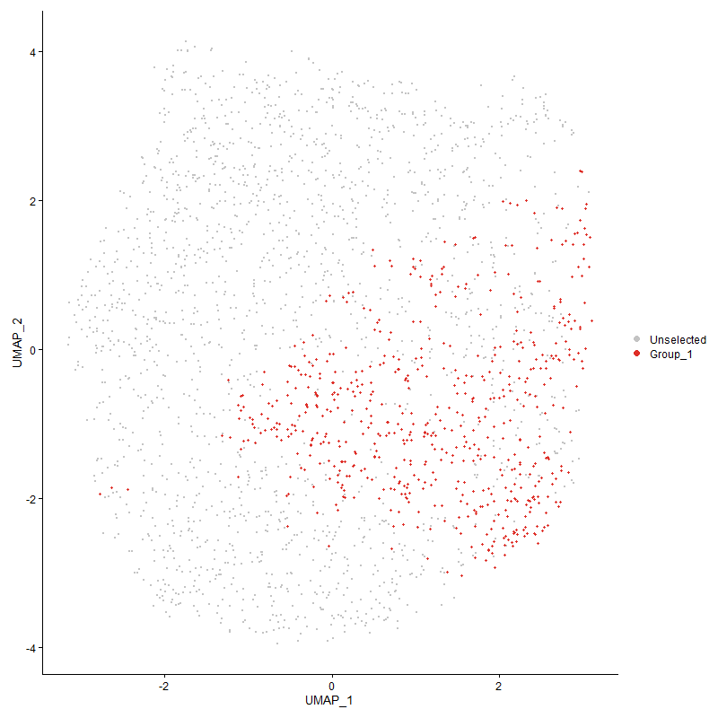
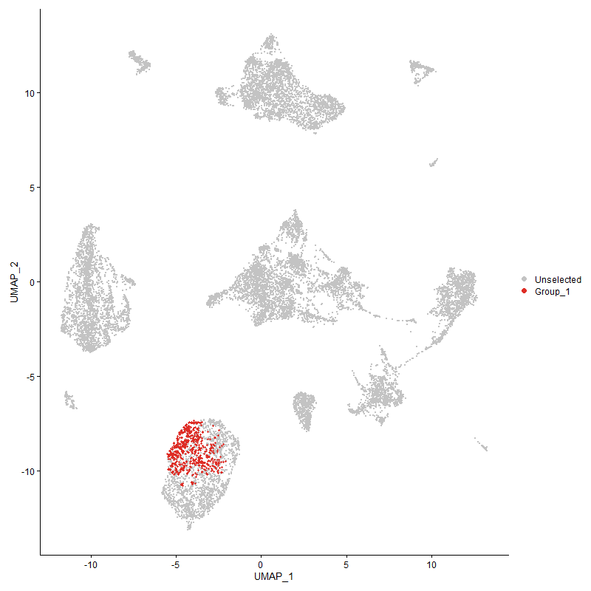
 | p_val | avg_log2FC | pct.1 | pct.2 | p_val_adj | cluster | gene
EXFABP | 4.5403072609E-51 | 1.0124115201 | 0.895 | 0.749 | 6.9335032181E-47 | 1 | EXFABP
CLU | 7.5741258908E-97 | 0.76065051623 | 1 | 0.892 | 1.1566447648E-92 | 1 | CLU
SAA | 5.8745871703E-37 | 0.75610038048 | 0.856 | 0.63 | 8.9710820678E-33 | 1 | SAA
CD74 | 5.1323138469E-100 | 0.73940374337 | 1 | 0.983 | 7.8375564757E-96 | 1 | CD74
FTH1 | 1.1365740788E-115 | 0.73120164292 | 1 | 0.99 | 1.7356622758E-111 | 1 | FTH1
ASS1 | 3.56274395E-76 | 0.66009229125 | 0.985 | 0.786 | 5.4406662861E-72 | 1 | ASS1
CRIP1 | 5.1138703999E-67 | 0.65407216585 | 0.977 | 0.805 | 7.8093914877E-63 | 1 | CRIP1
SELENOP1 | 6.6028724414E-65 | 0.64681186012 | 0.978 | 0.833 | 1.0083246505E-60 | 1 | SELENOP1
FGL2 | 7.4441815107E-65 | 0.60843864724 | 0.995 | 0.872 | 1.1368009585E-60 | 1 | FGL2
BLB1 | 5.9855568159E-63 | 0.59694964019 | 0.982 | 0.916 | 9.1405438135E-59 | 1 | BLB1
MAFB | 8.0503841009E-42 | 0.57197947572 | 0.93 | 0.77 | 1.2293741561E-37 | 1 | MAFB
LOC121107581 | 6.6039223504E-19 | 0.56615551227 | 0.786 | 0.643 | 1.0084849821E-14 | 1 | LOC121107581
TGFBI | 2.1751870163E-42 | 0.56445460648 | 0.885 | 0.655 | 3.3217280926E-38 | 1 | TGFBI
TPPP3 | 1.7765603713E-41 | 0.56265737624 | 0.457 | 0.186 | 2.712985343E-37 | 1 | TPPP3
CST3 | 7.1898507067E-51 | 0.55231057591 | 0.928 | 0.712 | 1.0979621014E-46 | 1 | CST3
CSF3R | 1.6634189836E-75 | 0.54635348859 | 1 | 0.987 | 2.5402071299E-71 | 1 | CSF3R
PI3 | 7.2789905191E-16 | 0.54258838098 | 0.588 | 0.416 | 1.1115746422E-11 | 1 | PI3
TPT1 | 4.5135603888E-53 | 0.53817750021 | 0.99 | 0.866 | 6.8926580697E-49 | 1 | TPT1
FN1 | 6.2728649958E-64 | 0.49920413544 | 1 | 0.994 | 9.5792921351E-60 | 1 | FN1
ATP6V0C | 9.5810930957E-45 | 0.49418344027 | 0.973 | 0.804 | 1.4631287266E-40 | 1 | ATP6V0C
EEF2 | 4.0388688978E-43 | 0.48324605538 | 0.977 | 0.834 | 6.1677566938E-39 | 1 | EEF2
C9ORF58 | 2.1503873526E-44 | 0.47732797693 | 0.876 | 0.641 | 3.2838565262E-40 | 1 | C9ORF58
S100A6 | 4.6434795307E-38 | 0.46832139211 | 0.99 | 0.909 | 7.0910575914E-34 | 1 | S100A6
GSTA3 | 4.743140404E-35 | 0.46205587225 | 0.805 | 0.584 | 7.243249711E-31 | 1 | GSTA3
RNASET2 | 1.6981206197E-42 | 0.45720309608 | 0.955 | 0.792 | 2.5931999984E-38 | 1 | RNASET2
SH3BGRL3 | 4.1464815986E-36 | 0.4544574167 | 0.818 | 0.593 | 6.3320920492E-32 | 1 | SH3BGRL3
CALM2 | 1.3612467492E-43 | 0.45069907847 | 0.955 | 0.733 | 2.0787599107E-39 | 1 | CALM2
PPDPF | 3.6438773371E-44 | 0.44288357484 | 0.992 | 0.853 | 5.5645650815E-40 | 1 | PPDPF
ITM2A | 2.8790348262E-48 | 0.44056284032 | 1 | 0.916 | 4.3965740831E-44 | 1 | ITM2A
LAPTM5 | 1.5690228694E-39 | 0.43935171081 | 0.988 | 0.864 | 2.3960548239E-35 | 1 | LAPTM5
AVD | 1.0360983988E-06 | 0.43835481245 | 0.497 | 0.411 | 0.015822258648 | 1 | AVD
RPS11 | 2.8479496256E-39 | 0.43445214142 | 0.977 | 0.807 | 4.3491038732E-35 | 1 | RPS11
RPL37 | 4.8871816925E-38 | 0.42953945559 | 0.93 | 0.744 | 7.4632151626E-34 | 1 | RPL37
BLB2 | 1.4758075754E-27 | 0.4268103059 | 1 | 0.993 | 2.2537057484E-23 | 1 | BLB2
CTSH | 7.0624680725E-34 | 0.42438260588 | 0.94 | 0.794 | 1.0785094993E-29 | 1 | CTSH
ALCAM | 1.6241314207E-19 | 0.42378892826 | 0.9 | 0.779 | 2.4802110925E-15 | 1 | ALCAM
CTSC | 4.1348446436E-35 | 0.41948816048 | 0.905 | 0.72 | 6.3143212553E-31 | 1 | CTSC
RPS16 | 1.7092615771E-34 | 0.4151663359 | 0.92 | 0.738 | 2.6102133543E-30 | 1 | RPS16
ACTB | 1.6548095564E-38 | 0.40669095936 | 1 | 0.974 | 2.5270596735E-34 | 1 | ACTB
DMA | 1.0548377499E-31 | 0.4058018441 | 0.888 | 0.702 | 1.6108427278E-27 | 1 | DMA
FOS | 2.2804840822E-38 | 0.40097240392 | 0.998 | 0.997 | 3.4825272419E-34 | 1 | FOS
ZFP36L1 | 6.0289488378E-35 | 0.39888324321 | 0.992 | 0.97 | 9.2068077703E-31 | 1 | ZFP36L1
CTSS | 2.6514967677E-34 | 0.39590227977 | 0.968 | 0.818 | 4.049100714E-30 | 1 | CTSS
CTSZ | 1.1139902331E-31 | 0.39366074464 | 0.868 | 0.695 | 1.7011744849E-27 | 1 | CTSZ
TPPP | 1.9073983661E-22 | 0.39335219048 | 0.299 | 0.128 | 2.9127880448E-18 | 1 | TPPP
RPS29 | 1.0504444687E-30 | 0.3904050344 | 0.851 | 0.665 | 1.6041337482E-26 | 1 | RPS29
ITGB1BP3 | 8.3573614547E-30 | 0.39027196097 | 0.908 | 0.705 | 1.2762526677E-25 | 1 | ITGB1BP3
KCTD12 | 7.7009680729E-30 | 0.38945334023 | 0.781 | 0.54 | 1.1760148344E-25 | 1 | KCTD12
PRCP | 1.6117960397E-29 | 0.37988282907 | 0.77 | 0.528 | 2.4613737323E-25 | 1 | PRCP
RPS24 | 8.8945284905E-33 | 0.3780026706 | 0.977 | 0.859 | 1.3582834458E-28 | 1 | RPS24
MARCKS | 8.8274636944E-25 | 0.37739275639 | 0.561 | 0.336 | 1.3480419808E-20 | 1 | MARCKS
RHOA | 5.1808326237E-34 | 0.37527979495 | 0.978 | 0.823 | 7.9116494997E-30 | 1 | RHOA
MGST1 | 1.1526647223E-31 | 0.37357439864 | 0.977 | 0.821 | 1.7602342974E-27 | 1 | MGST1
CD81 | 1.1788488482E-28 | 0.3727673506 | 0.972 | 0.842 | 1.8002200761E-24 | 1 | CD81
RPL34 | 7.756477041E-30 | 0.37234462875 | 0.933 | 0.779 | 1.1844916089E-25 | 1 | RPL34
MPEG1 | 1.5248039661E-27 | 0.37044249459 | 0.826 | 0.626 | 2.3285281367E-23 | 1 | MPEG1
NFKBIA | 4.0095135551E-23 | 0.3704290418 | 0.985 | 0.936 | 6.12292815E-19 | 1 | NFKBIA
LOC776816 | 1.4760722673E-33 | 0.37028747541 | 0.985 | 0.902 | 2.2541099594E-29 | 1 | LOC776816
OAZ1 | 4.1875550095E-38 | 0.3698299 | 0.995 | 0.94 | 6.3948152551E-34 | 1 | OAZ1
ZFP36L2 | 3.6770387637E-21 | 0.3671572366 | 0.683 | 0.483 | 5.615205896E-17 | 1 | ZFP36L2
GSTA2 | 8.1685704826E-34 | 0.36145311584 | 0.501 | 0.245 | 1.2474223984E-29 | 1 | GSTA2
RPL27A | 1.8899806711E-25 | 0.35919754663 | 0.86 | 0.656 | 2.8861894828E-21 | 1 | RPL27A
ECM1 | 1.946930489E-26 | 0.3514641623 | 1 | 0.975 | 2.9731575498E-22 | 1 | ECM1
RPS3A | 1.8687097935E-28 | 0.35116737257 | 0.985 | 0.858 | 2.8537067257E-24 | 1 | RPS3A
RPS26 | 1.4258226809E-27 | 0.34848184303 | 0.965 | 0.828 | 2.177373816E-23 | 1 | RPS26
PTMA | 6.1900519709E-28 | 0.34799431127 | 0.988 | 0.917 | 9.4528283647E-24 | 1 | PTMA
EEF1A1 | 4.2024708645E-31 | 0.34737499736 | 0.988 | 0.905 | 6.4175932571E-27 | 1 | EEF1A1
CREG1 | 1.8090796193E-28 | 0.34404285683 | 0.833 | 0.616 | 2.7626454866E-24 | 1 | CREG1
PRNP | 1.1096256318E-23 | 0.34401970502 | 0.932 | 0.829 | 1.6945093024E-19 | 1 | PRNP
TALDO1 | 4.6107266309E-30 | 0.34263913257 | 0.81 | 0.578 | 7.0410406381E-26 | 1 | TALDO1
PNRC1 | 2.6887713775E-27 | 0.34216801097 | 0.997 | 0.958 | 4.1060227706E-23 | 1 | PNRC1
NPC2 | 6.9063281681E-25 | 0.33931047585 | 0.823 | 0.585 | 1.0546653745E-20 | 1 | NPC2
EEF1D | 6.5877712686E-26 | 0.33831582419 | 0.922 | 0.758 | 1.0060185504E-21 | 1 | EEF1D
TF | 9.0100070688E-31 | 0.33627076283 | 0.997 | 0.907 | 1.3759181795E-26 | 1 | TF
DDX5 | 2.1607798528E-31 | 0.33599934945 | 0.992 | 0.953 | 3.2997269132E-27 | 1 | DDX5
RPL23 | 1.995699406E-26 | 0.33580438062 | 0.985 | 0.872 | 3.0476325628E-22 | 1 | RPL23
RPL38 | 2.0224772362E-24 | 0.33268238434 | 0.902 | 0.72 | 3.0885249874E-20 | 1 | RPL38
RPS15A | 1.1727492062E-27 | 0.33150928925 | 0.927 | 0.728 | 1.7909053128E-23 | 1 | RPS15A
ARF6 | 3.6948403507E-26 | 0.33110224974 | 0.922 | 0.779 | 5.6423906996E-22 | 1 | ARF6
RPS21 | 6.384138319E-23 | 0.32948887914 | 0.825 | 0.632 | 9.749217627E-19 | 1 | RPS21
AKR1B1 | 1.1112901338E-25 | 0.32890925999 | 0.616 | 0.386 | 1.6970511633E-21 | 1 | AKR1B1
LTA4H | 2.8677841778E-16 | 0.32788317169 | 0.725 | 0.56 | 4.3793932179E-12 | 1 | LTA4H
DMB2 | 5.8859193701E-21 | 0.32754601605 | 0.793 | 0.632 | 8.9883874701E-17 | 1 | DMB2
TNS1 | 4.3937374986E-22 | 0.32734924864 | 0.863 | 0.7 | 6.7096765341E-18 | 1 | TNS1
CD83 | 8.6000221908E-09 | 0.32642610488 | 0.723 | 0.626 | 0.00013133093888 | 1 | CD83
RACK1 | 5.432679626E-23 | 0.32294339644 | 0.978 | 0.837 | 8.2962450569E-19 | 1 | RACK1
SELP | 3.4138862313E-26 | 0.32104383174 | 0.96 | 0.857 | 5.2133456638E-22 | 1 | SELP
MSN | 2.7458921218E-23 | 0.32012972243 | 0.953 | 0.854 | 4.1932518593E-19 | 1 | MSN
PABPC1 | 6.3373999278E-30 | 0.31973842918 | 1 | 0.945 | 9.6778434298E-26 | 1 | PABPC1
PSAP | 1.2640015234E-20 | 0.31783620491 | 0.846 | 0.682 | 1.9302567263E-16 | 1 | PSAP
RPS14 | 7.8025699878E-25 | 0.31633074532 | 0.977 | 0.833 | 1.1915304628E-20 | 1 | RPS14
RPL27 | 2.7996815045E-23 | 0.31583913403 | 0.881 | 0.698 | 4.2753936256E-19 | 1 | RPL27
C5H14orf4 | 2.9055136338E-19 | 0.31533233716 | 0.676 | 0.476 | 4.4370098701E-15 | 1 | C5H14orf4
RPLP1 | 1.4745524403E-26 | 0.31174383786 | 0.997 | 0.877 | 2.2517890316E-22 | 1 | RPLP1
LOC770612 | 5.1564025942E-20 | 0.31123655404 | 0.805 | 0.613 | 7.8743424016E-16 | 1 | LOC770612
LOC771069 | 3.8004030876E-27 | 0.31116989437 | 0.366 | 0.158 | 5.803595555E-23 | 1 | LOC771069
RPL5 | 1.483895977E-24 | 0.30914541111 | 0.927 | 0.706 | 2.2660575464E-20 | 1 | RPL5
MCL1 | 1.6760869789E-22 | 0.30858229475 | 0.917 | 0.781 | 2.5595524255E-18 | 1 | MCL1
ASL | 9.5793154736E-24 | 0.30792423486 | 0.516 | 0.293 | 1.462857266E-19 | 1 | ASL
GNS | 6.2863703817E-24 | 0.307407464 | 0.851 | 0.653 | 9.5999162099E-20 | 1 | GNS
SLC16A7 | 1.8332095416E-13 | 0.30609977045 | 0.586 | 0.411 | 2.7994942909E-09 | 1 | SLC16A7
BASP1 | 2.2202189348E-13 | 0.30504357035 | 0.76 | 0.628 | 3.3904963353E-09 | 1 | BASP1
LOC124417452 | 1.0292208463E-25 | 0.30470119397 | 0.571 | 0.336 | 1.5717231544E-21 | 1 | LOC124417452
SLC25A6 | 7.2890759798E-22 | 0.30463725151 | 0.803 | 0.609 | 1.1131147929E-17 | 1 | SLC25A6
RAP1A | 1.8914649399E-22 | 0.30091772835 | 0.937 | 0.823 | 2.8884561098E-18 | 1 | RAP1A
SGK1 | 1.138661541E-12 | 0.30088949179 | 0.928 | 0.874 | 1.7388500393E-08 | 1 | SGK1
CD99 | 4.2598778586E-19 | 0.29985279103 | 0.821 | 0.647 | 6.5052594779E-15 | 1 | CD99
RPL36A | 4.2129555271E-20 | 0.29966795864 | 0.92 | 0.754 | 6.4336043854E-16 | 1 | RPL36A
RPS25 | 3.2989698478E-23 | 0.29960343295 | 0.898 | 0.708 | 5.0378568546E-19 | 1 | RPS25
S100A11 | 9.0421690858E-22 | 0.29892632525 | 0.765 | 0.546 | 1.3808296411E-17 | 1 | S100A11
RPL15 | 2.5099191813E-23 | 0.29842173967 | 0.973 | 0.85 | 3.8328975817E-19 | 1 | RPL15
ARL4C | 8.1455169657E-24 | 0.29806741095 | 0.79 | 0.579 | 1.2439018958E-19 | 1 | ARL4C
BF2 | 1.0662288444E-30 | 0.2975385694 | 1 | 0.967 | 1.6282380683E-26 | 1 | BF2
PRDX1 | 2.7664727956E-16 | 0.29685096282 | 0.82 | 0.665 | 4.2246806061E-12 | 1 | PRDX1
GNG5 | 1.2626818299E-19 | 0.2966012822 | 0.678 | 0.465 | 1.9282414224E-15 | 1 | GNG5
RPL24 | 2.2185925466E-21 | 0.29643159851 | 0.958 | 0.825 | 3.3880126779E-17 | 1 | RPL24
ARPC1B | 2.5925461485E-20 | 0.29539195508 | 0.798 | 0.618 | 3.9590772233E-16 | 1 | ARPC1B
ALDH3A2 | 6.8155000731E-31 | 0.29488008694 | 0.434 | 0.196 | 1.0407950162E-26 | 1 | ALDH3A2
RPS20 | 2.903135756E-23 | 0.29438896448 | 0.932 | 0.786 | 4.4333786129E-19 | 1 | RPS20
ARPC4 | 1.2035554383E-21 | 0.29207292296 | 0.828 | 0.651 | 1.8379495098E-17 | 1 | ARPC4
RPL21 | 1.5219473324E-22 | 0.29079163576 | 0.995 | 0.911 | 2.3241657714E-18 | 1 | RPL21
MSMO1 | 6.8308987856E-13 | 0.28932227281 | 0.497 | 0.35 | 1.0431465535E-08 | 1 | MSMO1
RPS17 | 6.9046185396E-23 | 0.28928572408 | 0.988 | 0.877 | 1.0544042972E-18 | 1 | RPS17
LCP1 | 1.5910873656E-20 | 0.2867938716 | 0.943 | 0.835 | 2.429749516E-16 | 1 | LCP1
HSP90AA1 | 2.0603935602E-13 | 0.28434521497 | 0.609 | 0.45 | 3.1464270058E-09 | 1 | HSP90AA1
LOC395551 | 2.9625309279E-08 | 0.28399926011 | 0.992 | 0.956 | 0.000452408098 | 1 | LOC395551
EMP1 | 9.4985985591E-14 | 0.28212289736 | 0.801 | 0.655 | 1.450530986E-09 | 1 | EMP1
OST4 | 3.6200676449E-19 | 0.27980798469 | 0.661 | 0.468 | 5.5282053005E-15 | 1 | OST4
RPL35A | 1.07933525E-19 | 0.27939239556 | 0.92 | 0.746 | 1.6482528603E-15 | 1 | RPL35A
RPS27 | 5.277078273E-23 | 0.27902128176 | 0.988 | 0.914 | 8.0586262307E-19 | 1 | RPS27
RPL11 | 5.8095740795E-20 | 0.27892959544 | 0.805 | 0.6 | 8.8718005769E-16 | 1 | RPL11
FDPS | 2.6894215928E-13 | 0.27826251897 | 0.411 | 0.265 | 4.1070157143E-09 | 1 | FDPS
LY86 | 1.4570393401E-19 | 0.27784822423 | 0.983 | 0.86 | 2.2250447762E-15 | 1 | LY86
DPYSL2 | 7.3151507886E-14 | 0.27765997454 | 0.559 | 0.403 | 1.1170966769E-09 | 1 | DPYSL2
RPS23 | 2.6817524446E-20 | 0.2771396288 | 0.943 | 0.821 | 4.0953041582E-16 | 1 | RPS23
VIM | 3.5965278715E-17 | 0.27602765865 | 0.977 | 0.898 | 5.4922577125E-13 | 1 | VIM
RPS28 | 1.4406599632E-19 | 0.27597506614 | 0.95 | 0.796 | 2.2000318298E-15 | 1 | RPS28
RPS8 | 6.8935991737E-18 | 0.27387998395 | 0.958 | 0.843 | 1.0527215298E-13 | 1 | RPS8
LOC101751866 | 1.0592341871E-20 | 0.2733343057 | 0.492 | 0.286 | 1.6175565272E-16 | 1 | LOC101751866
YWHAQ | 4.9682154865E-17 | 0.27227653379 | 0.833 | 0.698 | 7.5869618694E-13 | 1 | YWHAQ
PLEKHO2 | 1.074245836E-17 | 0.27125823014 | 0.748 | 0.554 | 1.6404808161E-13 | 1 | PLEKHO2
RPL37A | 3.0825645234E-20 | 0.27040847997 | 0.995 | 0.916 | 4.7073842837E-16 | 1 | RPL37A
HSPA8 | 1.054520904E-18 | 0.27032677891 | 0.773 | 0.58 | 1.6103588725E-14 | 1 | HSPA8
LOC426820 | 5.1448620346E-18 | 0.27013729821 | 0.688 | 0.495 | 7.856718813E-14 | 1 | LOC426820
IER5 | 6.368510521E-18 | 0.26747360192 | 0.721 | 0.532 | 9.7253524166E-14 | 1 | IER5
BF1 | 4.134650443E-20 | 0.2661756952 | 0.96 | 0.861 | 6.3140246916E-16 | 1 | BF1
RPLP2 | 3.2032976051E-21 | 0.26595023099 | 0.988 | 0.928 | 4.8917557728E-17 | 1 | RPLP2
NADK | 8.8279273657E-16 | 0.26502945267 | 0.716 | 0.551 | 1.348112788E-11 | 1 | NADK
RPL35 | 5.8004953001E-20 | 0.26493252448 | 0.925 | 0.773 | 8.8579363728E-16 | 1 | RPL35
ENO1 | 1.6587955376E-19 | 0.26460648263 | 0.943 | 0.794 | 2.5331466655E-15 | 1 | ENO1
RASGEF1A | 5.067260195E-07 | 0.26403008044 | 0.81 | 0.728 | 0.0077382130438 | 1 | RASGEF1A
LAMP1 | 3.6991553225E-17 | 0.26180594188 | 0.908 | 0.766 | 5.648980093E-13 | 1 | LAMP1
LSP1P1 | 1.7886854803E-20 | 0.26129738018 | 0.982 | 0.901 | 2.731501597E-16 | 1 | LSP1P1
SPI1 | 1.0079923476E-17 | 0.25985122185 | 0.948 | 0.86 | 1.5393051141E-13 | 1 | SPI1
RSFR | 4.2674366901E-13 | 0.25938699083 | 0.753 | 0.627 | 6.5168025695E-09 | 1 | RSFR
RPS12 | 1.3844842129E-16 | 0.2585903747 | 0.962 | 0.86 | 2.1142458415E-12 | 1 | RPS12
GGH | 9.0830351317E-15 | 0.25857351068 | 0.716 | 0.571 | 1.387070295E-10 | 1 | GGH
ASAH1 | 1.2960568676E-17 | 0.2566630527 | 0.698 | 0.503 | 1.9792084425E-13 | 1 | ASAH1
RPL29 | 4.615194547E-19 | 0.25560112416 | 0.94 | 0.781 | 7.0478635927E-15 | 1 | RPL29
RPL7A | 2.6613030859E-17 | 0.25459175908 | 0.89 | 0.722 | 4.0640759424E-13 | 1 | RPL7A
C1QC | 3.1472194346E-13 | 0.253425141 | 0.596 | 0.436 | 4.8061187986E-09 | 1 | C1QC
RGS1 | 4.5646046161E-08 | 0.25187208731 | 0.631 | 0.523 | 0.00069706077092 | 1 | RGS1
TLR2A | 6.1869175001E-16 | 0.25138874216 | 0.815 | 0.611 | 9.4480417144E-12 | 1 | TLR2A
LOC101747587 | 9.5593319293E-16 | 0.25021562257 | 1 | 0.95 | 1.4598055789E-11 | 1 | LOC101747587

Cluster2
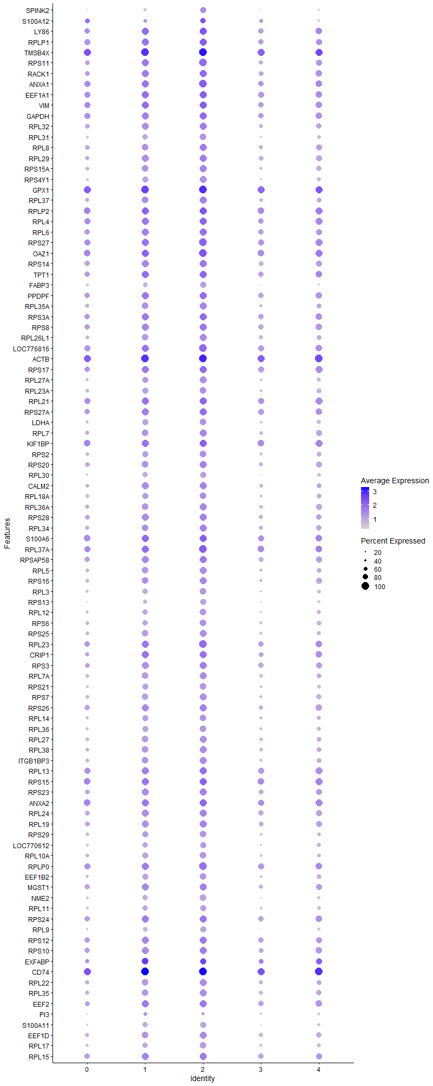
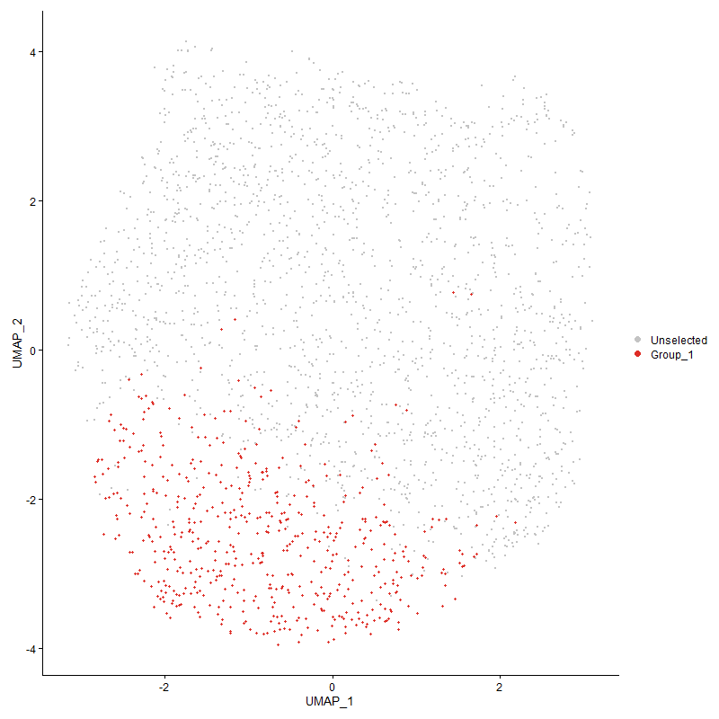
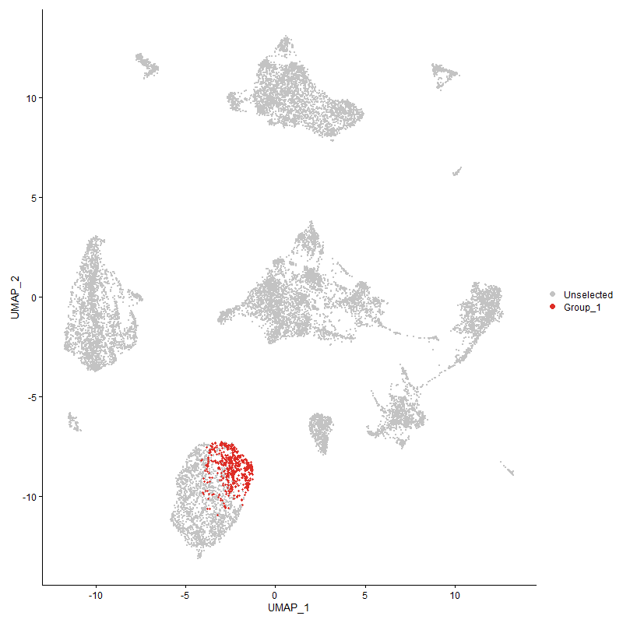
 | p_val | avg_log2FC | pct.1 | pct.2 | p_val_adj | cluster | gene
SPINK2 | 1.0047572755E-114 | 1.3610266451 | 0.822 | 0.366 | 1.5343648353E-110 | 2 | SPINK2
S100A121 | 1.195632362E-38 | 1.2419484112 | 0.799 | 0.624 | 1.8258501801E-34 | 2 | S100A12
LY861 | 8.8413597786E-132 | 1.0561225102 | 0.994 | 0.862 | 1.3501640518E-127 | 2 | LY86
RPLP11 | 1.7955439274E-114 | 0.99722098016 | 0.998 | 0.881 | 2.7419751315E-110 | 2 | RPLP1
TMSB4X | 7.721088284E-143 | 0.92885920418 | 1 | 0.983 | 1.1790873918E-138 | 2 | TMSB4X
RPS111 | 8.6237688365E-111 | 0.92706205156 | 1 | 0.807 | 1.316935739E-106 | 2 | RPS11
RACK11 | 8.5294752777E-118 | 0.91069647196 | 0.992 | 0.839 | 1.3025361697E-113 | 2 | RACK1
ANXA1 | 2.299781234E-110 | 0.89792536164 | 1 | 0.889 | 3.5119959224E-106 | 2 | ANXA1
EEF1A11 | 1.1717369048E-100 | 0.88662925233 | 0.991 | 0.908 | 1.7893594273E-96 | 2 | EEF1A1
VIM1 | 1.4219897757E-102 | 0.88482920554 | 0.998 | 0.895 | 2.1715205864E-98 | 2 | VIM
GAPDH | 4.2712475227E-98 | 0.85320412897 | 0.987 | 0.881 | 6.5226220919E-94 | 2 | GAPDH
RPL32 | 1.2266384403E-102 | 0.84314860363 | 0.983 | 0.78 | 1.8731995621E-98 | 2 | RPL32
RPL31 | 3.7488498282E-90 | 0.83875024074 | 0.905 | 0.563 | 5.7248685727E-86 | 2 | RPL31
RPL8 | 1.6351255527E-104 | 0.83579743505 | 0.991 | 0.789 | 2.4970002315E-100 | 2 | RPL8
RPL291 | 4.5356507387E-93 | 0.82670266899 | 0.968 | 0.78 | 6.9263922431E-89 | 2 | RPL29
RPS15A1 | 2.1784511183E-94 | 0.82282265754 | 0.964 | 0.725 | 3.3267127028E-90 | 2 | RPS15A
RPS4Y1 | 8.6317156703E-95 | 0.81774802686 | 0.941 | 0.601 | 1.3181493E-90 | 2 | RPS4Y1
GPX1 | 4.5333965671E-133 | 0.8167135733 | 1 | 0.98 | 6.9229498976E-129 | 2 | GPX1
RPL371 | 1.2436192254E-91 | 0.81587309763 | 0.97 | 0.74 | 1.8991309191E-87 | 2 | RPL37
RPLP21 | 2.4742769946E-111 | 0.81004418371 | 0.998 | 0.928 | 3.7784683984E-107 | 2 | RPLP2
RPL4 | 4.662912759E-112 | 0.80398526631 | 0.996 | 0.889 | 7.1207340743E-108 | 2 | RPL4
RPL6 | 4.9886788746E-102 | 0.80330291604 | 0.994 | 0.861 | 7.6182115095E-98 | 2 | RPL6
RPS271 | 2.2149919104E-106 | 0.80226363737 | 1 | 0.914 | 3.3825141464E-102 | 2 | RPS27
OAZ11 | 1.7253529887E-107 | 0.80085216723 | 1 | 0.941 | 2.6347865491E-103 | 2 | OAZ1
RPS141 | 4.1894667093E-102 | 0.79810351908 | 0.983 | 0.836 | 6.3977346118E-98 | 2 | RPS14
TPT11 | 4.2306830147E-97 | 0.79084506442 | 0.998 | 0.868 | 6.4606760317E-93 | 2 | TPT1
FABP3 | 7.0443748761E-86 | 0.78897443331 | 0.869 | 0.505 | 1.0757464873E-81 | 2 | FABP3
PPDPF1 | 1.1813604682E-93 | 0.77991669888 | 0.996 | 0.857 | 1.804055571E-89 | 2 | PPDPF
RPL35A1 | 2.8043661918E-81 | 0.7767777759 | 0.964 | 0.74 | 4.2825476115E-77 | 2 | RPL35A
RPS3A1 | 9.1411049566E-98 | 0.77542221419 | 0.992 | 0.861 | 1.3959381379E-93 | 2 | RPS3A
RPS81 | 1.0049228754E-89 | 0.7744806862 | 0.987 | 0.84 | 1.534617723E-85 | 2 | RPS8
RPL26L1 | 2.9798995175E-92 | 0.76734123929 | 0.973 | 0.716 | 4.5506045531E-88 | 2 | RPL26L1
LOC7768161 | 4.3772716352E-101 | 0.76624868952 | 1 | 0.901 | 6.6845315141E-97 | 2 | LOC776816
ACTB1 | 3.7161283866E-102 | 0.76533912153 | 1 | 0.975 | 5.6748996591E-98 | 2 | ACTB
RPS171 | 3.1837730436E-93 | 0.76389500618 | 0.998 | 0.878 | 4.8619398149E-89 | 2 | RPS17
RPL27A1 | 4.515284717E-82 | 0.75608210593 | 0.941 | 0.641 | 6.8952912914E-78 | 2 | RPL27A
RPL23A | 3.7452370992E-74 | 0.75467182183 | 0.93 | 0.666 | 5.7193515742E-70 | 2 | RPL23A
RPL211 | 5.3539645796E-104 | 0.75440318882 | 0.996 | 0.914 | 8.1760393095E-100 | 2 | RPL21
RPS27A | 2.4514419029E-97 | 0.75371447691 | 0.992 | 0.871 | 3.7435969299E-93 | 2 | RPS27A
LDHA | 1.3903153149E-76 | 0.7534715763 | 0.909 | 0.645 | 2.1231505173E-72 | 2 | LDHA
RPL7 | 2.7629393232E-88 | 0.74717858975 | 0.972 | 0.753 | 4.2192846404E-84 | 2 | RPL7
KIF1BP | 9.5670766891E-95 | 0.74419351934 | 0.998 | 0.939 | 1.4609882812E-90 | 2 | KIF1BP
RPS2 | 3.1621289131E-77 | 0.7337757528 | 0.935 | 0.675 | 4.8288870632E-73 | 2 | RPS2
RPS201 | 9.4257631486E-76 | 0.73369655755 | 0.964 | 0.783 | 1.4394082904E-71 | 2 | RPS20
RPL30 | 5.6440853933E-73 | 0.73226100407 | 0.852 | 0.531 | 8.619082804E-69 | 2 | RPL30
CALM21 | 1.1915531419E-72 | 0.72992485263 | 0.964 | 0.739 | 1.819620803E-68 | 2 | CALM2
RPL18A | 2.5665709662E-78 | 0.72861351373 | 0.935 | 0.697 | 3.9194105225E-74 | 2 | RPL18A
RPL36A1 | 2.1111413634E-81 | 0.726867906 | 0.975 | 0.745 | 3.223923976E-77 | 2 | RPL36A
RPS281 | 2.2160356369E-82 | 0.72492623599 | 0.979 | 0.794 | 3.3841080211E-78 | 2 | RPS28
RPL341 | 2.641595019E-76 | 0.72431307406 | 0.977 | 0.773 | 4.0339797535E-72 | 2 | RPL34
S100A61 | 9.507052854E-65 | 0.72425131522 | 0.994 | 0.911 | 1.4518220413E-60 | 2 | S100A6
RPL37A1 | 1.9600627432E-98 | 0.71959440199 | 1 | 0.917 | 2.9932118151E-94 | 2 | RPL37A
RPSAP58 | 1.5726962592E-80 | 0.71541809976 | 0.994 | 0.828 | 2.4016644573E-76 | 2 | RPSAP58
RPL51 | 3.4897047537E-75 | 0.71451542567 | 0.947 | 0.709 | 5.3291281294E-71 | 2 | RPL5
RPS161 | 3.4421808788E-81 | 0.71297753084 | 0.985 | 0.727 | 5.25655442E-77 | 2 | RPS16
RPL3 | 2.048719465E-71 | 0.71114717977 | 0.896 | 0.585 | 3.128599495E-67 | 2 | RPL3
RPS13 | 4.941276475E-76 | 0.70660054781 | 0.846 | 0.484 | 7.5458233049E-72 | 2 | RPS13
RPL12 | 7.2569799197E-74 | 0.7023612902 | 0.924 | 0.614 | 1.1082134035E-69 | 2 | RPL12
RPS6 | 2.637395631E-77 | 0.70102598797 | 0.924 | 0.673 | 4.0275668681E-73 | 2 | RPS6
RPS251 | 1.4422956151E-78 | 0.70071115608 | 0.964 | 0.696 | 2.2025296338E-74 | 2 | RPS25
RPL231 | 1.7033355986E-82 | 0.69657307615 | 1 | 0.872 | 2.6011637926E-78 | 2 | RPL23
CRIP11 | 3.0213649411E-49 | 0.69591263852 | 0.987 | 0.809 | 4.6139264015E-45 | 2 | CRIP1
RPS3 | 4.7083885672E-85 | 0.68791947902 | 0.992 | 0.833 | 7.190180181E-81 | 2 | RPS3
RPL7A1 | 4.3447387055E-76 | 0.68337626765 | 0.968 | 0.707 | 6.6348504772E-72 | 2 | RPL7A
RPS211 | 2.7159694908E-65 | 0.67917370944 | 0.907 | 0.616 | 4.1475570094E-61 | 2 | RPS21
RPS7 | 1.201246447E-81 | 0.67810179918 | 0.96 | 0.705 | 1.8344234493E-77 | 2 | RPS7
RPS261 | 5.0977881173E-76 | 0.6780109883 | 0.979 | 0.829 | 7.7848322339E-72 | 2 | RPS26
RPL14 | 1.1949906584E-64 | 0.67193390487 | 0.924 | 0.664 | 1.8248702344E-60 | 2 | RPL14
RPL36 | 5.39109823E-75 | 0.67100568119 | 0.928 | 0.636 | 8.232746107E-71 | 2 | RPL36
RPL271 | 1.8404480034E-69 | 0.6697396518 | 0.943 | 0.688 | 2.810548146E-65 | 2 | RPL27
RPL381 | 2.5313380364E-69 | 0.6688800701 | 0.943 | 0.715 | 3.8656063153E-65 | 2 | RPL38
ITGB1BP31 | 1.0807682627E-68 | 0.66838058902 | 0.96 | 0.698 | 1.650441214E-64 | 2 | ITGB1BP3
RPL13 | 8.0683378359E-81 | 0.66469506356 | 0.994 | 0.904 | 1.2321158709E-76 | 2 | RPL13
RPS15 | 7.8516968304E-90 | 0.66139951049 | 0.998 | 0.931 | 1.199032623E-85 | 2 | RPS15
RPS231 | 5.1298261038E-72 | 0.66055951335 | 0.989 | 0.813 | 7.8337574432E-68 | 2 | RPS23
ANXA2 | 5.8986064287E-85 | 0.65570197017 | 0.994 | 0.941 | 9.0077618773E-81 | 2 | ANXA2
RPL241 | 8.8755361273E-78 | 0.65221763163 | 0.985 | 0.823 | 1.355383122E-73 | 2 | RPL24
RPL19 | 7.2972871521E-73 | 0.64880242382 | 0.977 | 0.817 | 1.114368721E-68 | 2 | RPL19
RPS291 | 4.0257095301E-63 | 0.64737513536 | 0.926 | 0.651 | 6.1476610234E-59 | 2 | RPS29
LOC7706121 | 4.6697342308E-59 | 0.64178276837 | 0.873 | 0.601 | 7.1311511439E-55 | 2 | LOC770612
RPL10A | 6.0970684513E-60 | 0.63959673442 | 0.903 | 0.67 | 9.310833232E-56 | 2 | RPL10A
RPLP0 | 1.0649129917E-79 | 0.6363702473 | 1 | 0.909 | 1.6262286296E-75 | 2 | RPLP0
EEF1B2 | 4.076120068E-58 | 0.63562629885 | 0.886 | 0.646 | 6.2246429559E-54 | 2 | EEF1B2
MGST11 | 3.9877291707E-66 | 0.6332633532 | 0.987 | 0.824 | 6.0896612165E-62 | 2 | MGST1
NME2 | 4.5758287665E-67 | 0.63018031933 | 0.875 | 0.552 | 6.9877481093E-63 | 2 | NME2
RPL111 | 1.7232093407E-57 | 0.62796471208 | 0.863 | 0.591 | 2.6315129842E-53 | 2 | RPL11
RPS241 | 1.5990029988E-65 | 0.6235041305 | 0.991 | 0.86 | 2.4418374794E-61 | 2 | RPS24
RPL9 | 4.3452212124E-63 | 0.61996774823 | 0.844 | 0.506 | 6.6355873135E-59 | 2 | RPL9
RPS121 | 1.2660037889E-63 | 0.61984952818 | 0.989 | 0.856 | 1.9333143861E-59 | 2 | RPS12
RPS10 | 4.0089298471E-71 | 0.61344393996 | 0.985 | 0.844 | 6.1220367694E-67 | 2 | RPS10
EXFABP1 | 5.4808442379E-18 | 0.60649864073 | 0.848 | 0.768 | 8.3697972357E-14 | 2 | EXFABP
CD741 | 2.0429968525E-69 | 0.60413211825 | 1 | 0.983 | 3.1198604935E-65 | 2 | CD74
RPL22 | 3.8176037931E-66 | 0.60259256635 | 0.968 | 0.752 | 5.8298627524E-62 | 2 | RPL22
RPL351 | 6.128127422E-60 | 0.5969672926 | 0.962 | 0.768 | 9.3582633861E-56 | 2 | RPL35
EEF21 | 5.7081065469E-63 | 0.59688159389 | 0.973 | 0.841 | 8.7168495078E-59 | 2 | EEF2
PI31 | 8.6861408363E-10 | 0.5932481861 | 0.531 | 0.438 | 1.3264605671E-05 | 2 | PI3
S100A111 | 1.6357869825E-55 | 0.57612205759 | 0.85 | 0.53 | 2.498010301E-51 | 2 | S100A11
EEF1D1 | 1.2629778253E-57 | 0.56925502929 | 0.947 | 0.758 | 1.9286934371E-53 | 2 | EEF1D
RPL17 | 4.1109862879E-53 | 0.56761030499 | 0.886 | 0.639 | 6.2778871603E-49 | 2 | RPL17
RPL151 | 1.0417892796E-52 | 0.54733165329 | 0.985 | 0.851 | 1.5909164088E-48 | 2 | RPL15
TF1 | 1.1720383871E-61 | 0.54586113147 | 0.994 | 0.911 | 1.789819821E-57 | 2 | TF
ATP6V0C1 | 4.7845926769E-56 | 0.54124414499 | 0.968 | 0.812 | 7.3065514769E-52 | 2 | ATP6V0C
PPIA | 3.9699930948E-50 | 0.53740797104 | 0.831 | 0.572 | 6.0625764551E-46 | 2 | PPIA
RHOA1 | 3.294906749E-55 | 0.52733874608 | 0.975 | 0.829 | 5.0316520965E-51 | 2 | RHOA
UBA52 | 1.8093501169E-52 | 0.51707577845 | 0.975 | 0.844 | 2.7630585635E-48 | 2 | UBA52
COX6A1 | 3.0121172336E-50 | 0.50599128044 | 0.78 | 0.477 | 4.5998042275E-46 | 2 | COX6A1
COX4I1 | 3.4531761575E-46 | 0.49918617293 | 0.844 | 0.589 | 5.2733453102E-42 | 2 | COX4I1
HMGB1 | 7.1590644013E-44 | 0.49872862558 | 0.964 | 0.883 | 1.0932607247E-39 | 2 | HMGB1
LOC1017475871 | 6.2161458762E-49 | 0.48990168752 | 0.998 | 0.952 | 9.4926763676E-45 | 2 | LOC101747587
DSTN | 1.29742405E-60 | 0.48939234757 | 0.994 | 0.952 | 1.9812962667E-56 | 2 | DSTN
LBP | 2.5175148139E-42 | 0.48445046806 | 0.962 | 0.859 | 3.8444968723E-38 | 2 | LBP
CYBA | 5.4100624255E-38 | 0.48322270071 | 0.825 | 0.608 | 8.2617063301E-34 | 2 | CYBA
YBX1 | 7.4331474606E-46 | 0.48151225156 | 0.922 | 0.704 | 1.1351159487E-41 | 2 | YBX1
LSP1P11 | 2.5765092825E-55 | 0.48017540836 | 0.987 | 0.903 | 3.9345873253E-51 | 2 | LSP1P1
ENO11 | 3.1908274525E-44 | 0.4777152099 | 0.947 | 0.798 | 4.8727126027E-40 | 2 | ENO1
HSPA81 | 1.3970236247E-32 | 0.47072163526 | 0.803 | 0.579 | 2.1333947773E-28 | 2 | HSPA8
C9ORF581 | 1.7634118576E-41 | 0.46806955942 | 0.886 | 0.648 | 2.6929062477E-37 | 2 | C9ORF58
RPL39L | 8.9624758398E-55 | 0.46676998653 | 0.998 | 0.946 | 1.3686596855E-50 | 2 | RPL39L
LAPTM51 | 3.6304128648E-47 | 0.46627043638 | 0.981 | 0.871 | 5.5440034859E-43 | 2 | LAPTM5
ITM2A1 | 2.0402205612E-44 | 0.46293098617 | 0.992 | 0.922 | 3.1156208189E-40 | 2 | ITM2A
CST31 | 6.0922889066E-41 | 0.46205330599 | 0.935 | 0.718 | 9.3035343892E-37 | 2 | CST3
UBB | 1.9553695676E-36 | 0.45856367833 | 0.765 | 0.501 | 2.9860448667E-32 | 2 | UBB
SLC25A61 | 1.2455908308E-38 | 0.45512557848 | 0.85 | 0.603 | 1.9021417577E-34 | 2 | SLC25A6
SAA1 | 0.00014548384121 | 0.45388936676 | 0.691 | 0.686 | 1 | 2 | SAA
ARPC1B1 | 1.048156145E-38 | 0.43326289422 | 0.871 | 0.604 | 1.6006392491E-34 | 2 | ARPC1B
KCTD121 | 5.6239343866E-36 | 0.42806110366 | 0.805 | 0.543 | 8.5883102018E-32 | 2 | KCTD12
RSFR1 | 1.4133733567E-25 | 0.42717782866 | 0.787 | 0.622 | 2.158362453E-21 | 2 | RSFR
COX8A | 6.8779318221E-33 | 0.42295924351 | 0.731 | 0.487 | 1.0503289685E-28 | 2 | COX8A
LASP1 | 8.3488314642E-37 | 0.42282306459 | 0.765 | 0.499 | 1.2749500529E-32 | 2 | LASP1
CEBPD | 1.7924124532E-31 | 0.42266547906 | 0.676 | 0.403 | 2.7371930573E-27 | 2 | CEBPD
YWHAQ1 | 5.1162167895E-32 | 0.42113236825 | 0.886 | 0.688 | 7.8129746593E-28 | 2 | YWHAQ
TXN | 2.3242085875E-30 | 0.41847784092 | 0.877 | 0.684 | 3.5492989339E-26 | 2 | TXN
CALM1 | 4.7944662862E-37 | 0.41533861666 | 0.941 | 0.755 | 7.3216294656E-33 | 2 | CALM1
MS4A4A | 7.9795590444E-36 | 0.41468499514 | 0.77 | 0.522 | 1.2185584617E-31 | 2 | MS4A4A
PKLR | 4.5402806591E-34 | 0.41410657372 | 0.88 | 0.687 | 6.9334625945E-30 | 2 | PKLR
OST41 | 7.9803788448E-39 | 0.41335959768 | 0.751 | 0.45 | 1.2186836534E-34 | 2 | OST4
ARHGDIB | 1.734951633E-37 | 0.41327633546 | 0.598 | 0.32 | 2.6494446387E-33 | 2 | ARHGDIB
F13A1 | 1.8310392231E-13 | 0.41227744366 | 0.55 | 0.394 | 2.7961799976E-09 | 2 | F13A1
CD991 | 2.4101295966E-37 | 0.40786137028 | 0.873 | 0.639 | 3.6805089069E-33 | 2 | CD99
FTH11 | 2.27954107E-36 | 0.40590498502 | 1 | 0.99 | 3.481087168E-32 | 2 | FTH1
ANXA5 | 2.524373821E-36 | 0.40408800348 | 0.774 | 0.482 | 3.854971262E-32 | 2 | ANXA5
CAPG | 1.5090597535E-32 | 0.40078888711 | 0.791 | 0.547 | 2.3044851495E-28 | 2 | CAPG
CTSS1 | 2.352682804E-34 | 0.39703670109 | 0.964 | 0.825 | 3.5927819099E-30 | 2 | CTSS
ARF61 | 2.0976688576E-31 | 0.39702249469 | 0.93 | 0.782 | 3.2033501124E-27 | 2 | ARF6
COTL1 | 4.8851047263E-29 | 0.39697626706 | 0.875 | 0.658 | 7.4600434275E-25 | 2 | COTL1
DDX51 | 7.7285409357E-40 | 0.39367240115 | 0.989 | 0.955 | 1.1802254863E-35 | 2 | DDX5
PABPC11 | 7.4685764392E-37 | 0.39343873911 | 0.996 | 0.948 | 1.140526308E-32 | 2 | PABPC1
PTMA1 | 5.0108099412E-32 | 0.39181245231 | 0.998 | 0.917 | 7.6520078612E-28 | 2 | PTMA
NPM1 | 3.6203315843E-24 | 0.38582587735 | 0.723 | 0.502 | 5.5286083624E-20 | 2 | NPM1
EMB | 2.0758866157E-26 | 0.38391778658 | 0.689 | 0.453 | 3.1700864508E-22 | 2 | EMB
EIF3F | 3.1536935336E-29 | 0.38180796486 | 0.649 | 0.39 | 4.8160053952E-25 | 2 | EIF3F
PGAM1 | 8.6594417196E-32 | 0.38128309445 | 0.824 | 0.601 | 1.322383345E-27 | 2 | PGAM1
LOC107053353 | 8.5874952498E-28 | 0.37685022139 | 0.48 | 0.25 | 1.3113963996E-23 | 2 | LOC107053353
EIF4G2 | 8.7194514117E-31 | 0.3762052772 | 0.937 | 0.78 | 1.3315474251E-26 | 2 | EIF4G2
S100A10 | 6.8125065584E-30 | 0.37451217129 | 0.662 | 0.413 | 1.0403378765E-25 | 2 | S100A10
ASS11 | 1.9008405896E-28 | 0.37268929326 | 0.97 | 0.798 | 2.9027736643E-24 | 2 | ASS1
EEF1G | 4.5422047281E-30 | 0.37177489695 | 0.947 | 0.82 | 6.9364008403E-26 | 2 | EEF1G
MYH9 | 1.5524581904E-31 | 0.37176279989 | 0.989 | 0.934 | 2.3707589026E-27 | 2 | MYH9
GNAI2 | 2.6509182326E-32 | 0.36989876942 | 0.964 | 0.823 | 4.0482172331E-28 | 2 | GNAI2
MYL6 | 7.38554171E-27 | 0.36185156446 | 0.66 | 0.446 | 1.1278460745E-22 | 2 | MYL6
EMP11 | 7.640783844E-23 | 0.36181528788 | 0.843 | 0.649 | 1.1668241008E-18 | 2 | EMP1
PNAT3 | 1.2076568549E-28 | 0.36093807298 | 0.602 | 0.348 | 1.8442127831E-24 | 2 | PNAT3
CEBPB | 1.5284234626E-25 | 0.36033308542 | 0.651 | 0.414 | 2.3340554697E-21 | 2 | CEBPB
DAB2 | 8.5814144261E-25 | 0.35960216434 | 0.474 | 0.252 | 1.310467797E-20 | 2 | DAB2
MPEG11 | 2.3088325609E-29 | 0.35901419757 | 0.861 | 0.623 | 3.5258182037E-25 | 2 | MPEG1
SERBP1 | 1.788088385E-26 | 0.3587729519 | 0.706 | 0.492 | 2.7305897727E-22 | 2 | SERBP1
CTSA | 1.1366101263E-23 | 0.35820579886 | 0.746 | 0.543 | 1.7357173238E-19 | 2 | CTSA
SELP1 | 6.3153306677E-26 | 0.35641043264 | 0.973 | 0.857 | 9.6441414627E-22 | 2 | SELP
SH3BGRL31 | 5.8791434311E-28 | 0.35373731968 | 0.831 | 0.598 | 8.9780399336E-24 | 2 | SH3BGRL3
BTG1 | 3.3351102762E-24 | 0.35360806812 | 0.856 | 0.701 | 5.0930469028E-20 | 2 | BTG1
CCR5 | 2.2417083846E-26 | 0.35280122046 | 0.812 | 0.59 | 3.4233128741E-22 | 2 | CCR5
ATP5L | 2.0418750611E-26 | 0.35171995512 | 0.694 | 0.462 | 3.1181474058E-22 | 2 | ATP5L
CCR2 | 3.3817520127E-26 | 0.35129756881 | 0.776 | 0.546 | 5.1642734986E-22 | 2 | CCR2
SLC1A6 | 7.012088508E-26 | 0.35069406248 | 0.776 | 0.546 | 1.070816036E-21 | 2 | SLC1A6
COX5A | 3.7915644843E-28 | 0.35017230536 | 0.507 | 0.272 | 5.7900981239E-24 | 2 | COX5A
YWHAB | 1.5211320508E-25 | 0.34815963454 | 0.546 | 0.319 | 2.3229207547E-21 | 2 | YWHAB
COX7B | 8.072870822E-30 | 0.34562423815 | 0.507 | 0.255 | 1.2328081032E-25 | 2 | COX7B
EIF1 | 1.6031546888E-24 | 0.34498447823 | 0.945 | 0.851 | 2.4481775252E-20 | 2 | EIF1
VSIR | 2.6265087158E-24 | 0.34490990198 | 0.649 | 0.431 | 4.0109414599E-20 | 2 | VSIR
ARF1 | 8.6093565841E-23 | 0.34324257019 | 0.81 | 0.643 | 1.314734844E-18 | 2 | ARF1
DMA1 | 2.6186256214E-24 | 0.34095232272 | 0.892 | 0.708 | 3.9989031864E-20 | 2 | DMA
PRDX11 | 4.4735449874E-24 | 0.34002158779 | 0.854 | 0.661 | 6.8315505503E-20 | 2 | PRDX1
TPM3 | 5.0912517076E-30 | 0.33747890052 | 0.97 | 0.882 | 7.7748504827E-26 | 2 | TPM3
AES | 6.3913520499E-27 | 0.3360674564 | 0.772 | 0.54 | 9.7602337154E-23 | 2 | AES
HNRNPA1 | 2.9255984969E-22 | 0.33562174211 | 0.647 | 0.438 | 4.4676814646E-18 | 2 | HNRNPA1
GATD3AL1 | 1.224398915E-25 | 0.33515929461 | 0.529 | 0.299 | 1.869779583E-21 | 2 | GATD3AL1
GNG51 | 1.536799781E-23 | 0.3336443835 | 0.687 | 0.47 | 2.3468469455E-19 | 2 | GNG5
HIGD2A | 1.043231237E-21 | 0.33222550529 | 0.622 | 0.419 | 1.593118422E-17 | 2 | HIGD2A
BLB21 | 1.3620547524E-24 | 0.33105785959 | 0.996 | 0.995 | 2.0799938123E-20 | 2 | BLB2
NRK | 1.6979074794E-20 | 0.32950519954 | 0.917 | 0.828 | 2.5928745118E-16 | 2 | NRK
ARPC3 | 1.8935411445E-22 | 0.32892044136 | 0.624 | 0.408 | 2.8916266817E-18 | 2 | ARPC3
CCND3 | 5.2392964267E-25 | 0.32823780181 | 0.503 | 0.276 | 8.0009295732E-21 | 2 | CCND3
TMBIM6 | 2.9006884968E-23 | 0.32653489347 | 0.725 | 0.523 | 4.4296414034E-19 | 2 | TMBIM6
SERP1 | 9.1483554597E-21 | 0.32570608916 | 0.662 | 0.467 | 1.3970453622E-16 | 2 | SERP1
ATP5B | 2.7258081092E-23 | 0.32544650405 | 0.643 | 0.41 | 4.1625815636E-19 | 2 | ATP5B
PPIB | 1.2368994951E-24 | 0.32432580422 | 0.668 | 0.428 | 1.888869219E-20 | 2 | PPIB
FN11 | 4.8459375791E-25 | 0.32263570808 | 1 | 0.994 | 7.400231277E-21 | 2 | FN1
MTDH | 1.0151161151E-20 | 0.32120376222 | 0.731 | 0.534 | 1.5501838194E-16 | 2 | MTDH
PRCP1 | 1.2863306883E-20 | 0.3169023568 | 0.746 | 0.545 | 1.9643555941E-16 | 2 | PRCP
ATP5D | 2.3836189673E-24 | 0.31683726195 | 0.647 | 0.41 | 3.6400245249E-20 | 2 | ATP5D
NPC21 | 2.8329285751E-21 | 0.31669745326 | 0.791 | 0.604 | 4.326165227E-17 | 2 | NPC2
GSTA31 | 9.9843312651E-15 | 0.31502225436 | 0.763 | 0.604 | 1.5247072275E-10 | 2 | GSTA3
EIF3L | 1.017375083E-23 | 0.31497342476 | 0.486 | 0.268 | 1.5536334893E-19 | 2 | EIF3L
ECM11 | 1.7637866407E-21 | 0.3125915377 | 0.998 | 0.977 | 2.6934785791E-17 | 2 | ECM1
LGALS1A | 4.3487558408E-18 | 0.31225867714 | 0.816 | 0.644 | 6.6409850444E-14 | 2 | LGALS1A
EIF4A2 | 4.8121719002E-25 | 0.31209247095 | 0.943 | 0.844 | 7.3486677089E-21 | 2 | EIF4A2
ARPC41 | 2.9526767701E-20 | 0.3118214975 | 0.846 | 0.653 | 4.5090326957E-16 | 2 | ARPC4
GSN | 1.1858851174E-23 | 0.31068878791 | 0.552 | 0.326 | 1.8109651629E-19 | 2 | GSN
RAC2 | 2.6777822633E-22 | 0.30803441993 | 0.522 | 0.308 | 4.0892412943E-18 | 2 | RAC2
ZNF706 | 1.2390572906E-20 | 0.30789464605 | 0.755 | 0.582 | 1.8921643885E-16 | 2 | ZNF706
TLR2A1 | 1.5310192843E-21 | 0.30624129117 | 0.799 | 0.623 | 2.3380195491E-17 | 2 | TLR2A
BST1 | 3.4312958778E-20 | 0.30623530296 | 0.429 | 0.236 | 5.239931935E-16 | 2 | BST1
DYL1 | 4.7267287488E-18 | 0.30529358216 | 0.495 | 0.313 | 7.2181874722E-14 | 2 | DYL1
COX7C | 5.9635505146E-24 | 0.30319316027 | 0.459 | 0.238 | 9.1069379908E-20 | 2 | COX7C
TLR7 | 4.9014006045E-20 | 0.30285595255 | 0.516 | 0.314 | 7.4849288632E-16 | 2 | TLR7
BNIP3 | 3.204530871E-18 | 0.30232828529 | 0.708 | 0.525 | 4.8936390932E-14 | 2 | BNIP3
ZNF593 | 2.0472903762E-21 | 0.30077046365 | 0.772 | 0.57 | 3.1264171336E-17 | 2 | ZNF593
TPI1 | 4.2621400177E-24 | 0.29948722551 | 0.484 | 0.261 | 6.5087140211E-20 | 2 | TPI1
CTSZ1 | 2.4261395394E-21 | 0.29924779558 | 0.863 | 0.703 | 3.7049576906E-17 | 2 | CTSZ
ATP5E | 5.7725508332E-20 | 0.29780288972 | 0.713 | 0.516 | 8.8152623774E-16 | 2 | ATP5E
GSL | 1.6486957022E-23 | 0.2977691265 | 0.899 | 0.699 | 2.5177232068E-19 | 2 | GSL
KLF2 | 3.6169320162E-21 | 0.29753844725 | 0.438 | 0.237 | 5.523416882E-17 | 2 | KLF2
LOC121108888 | 5.5822219091E-21 | 0.29495849822 | 0.829 | 0.637 | 8.5246110773E-17 | 2 | LOC121108888
ALDOC | 6.2394409435E-18 | 0.29486494555 | 0.615 | 0.43 | 9.5282502648E-14 | 2 | ALDOC
IL8L2 | 1.0339468945E-14 | 0.2937983188 | 0.797 | 0.596 | 1.5789403026E-10 | 2 | IL8L2
C1QC1 | 2.1722915738E-15 | 0.29299791868 | 0.615 | 0.437 | 3.3173064623E-11 | 2 | C1QC
GRN | 3.5716119504E-21 | 0.28843594253 | 0.968 | 0.837 | 5.4542086094E-17 | 2 | GRN
CAP1 | 1.4097431372E-18 | 0.28820382793 | 0.799 | 0.647 | 2.1528187448E-14 | 2 | CAP1
HSP90B1 | 1.9757256936E-19 | 0.28714956452 | 0.657 | 0.443 | 3.0171307068E-15 | 2 | HSP90B1
ACTR2 | 6.5769338674E-20 | 0.28630460323 | 0.75 | 0.549 | 1.0043635709E-15 | 2 | ACTR2
MTPN | 1.3690744508E-19 | 0.28510405018 | 0.769 | 0.574 | 2.0907135938E-15 | 2 | MTPN
EIF5A2 | 6.3649755638E-20 | 0.28460424799 | 0.535 | 0.329 | 9.7199541836E-16 | 2 | EIF5A2
PGK2 | 3.061224615E-20 | 0.28246412869 | 0.543 | 0.326 | 4.6747961096E-16 | 2 | PGK2
LOC101750509 | 6.4117494922E-20 | 0.28220993912 | 0.533 | 0.316 | 9.7913826496E-16 | 2 | LOC101750509
GNAI3 | 1.3198012872E-19 | 0.28118539411 | 0.865 | 0.683 | 2.0154685457E-15 | 2 | GNAI3
CD63 | 6.6449492147E-20 | 0.28023052861 | 0.966 | 0.828 | 1.0147501946E-15 | 2 | CD63
IFI30 | 2.7186953986E-33 | 0.28009584645 | 1 | 0.999 | 4.1517197432E-29 | 2 | IFI30
DBI | 1.8282392921E-17 | 0.27778159237 | 0.501 | 0.316 | 2.791904223E-13 | 2 | DBI
RPIA | 4.0054792197E-21 | 0.27738904495 | 0.503 | 0.287 | 6.1167673164E-17 | 2 | RPIA
LOC121107448 | 1.4823871679E-17 | 0.27687741632 | 0.342 | 0.173 | 2.2637534441E-13 | 2 | LOC121107448
HSP90AA11 | 1.373914683E-07 | 0.27471024337 | 0.575 | 0.466 | 0.0020981051125 | 2 | HSP90AA1
RAB1B | 2.7645046019E-18 | 0.27448586858 | 0.892 | 0.816 | 4.2216749775E-14 | 2 | RAB1B
ATP5J | 1.4531578055E-21 | 0.2743587958 | 0.402 | 0.204 | 2.2191172847E-17 | 2 | ATP5J
SORL1 | 7.6137825723E-18 | 0.27420633593 | 0.59 | 0.392 | 1.1627007366E-13 | 2 | SORL1
LOC107049545 | 4.4749783637E-20 | 0.27389748176 | 0.469 | 0.27 | 6.8337394592E-16 | 2 | LOC107049545
PGD | 7.1142667896E-18 | 0.27238585381 | 0.778 | 0.622 | 1.0864196814E-13 | 2 | PGD
DMBT1 | 2.2228329161E-15 | 0.27170366878 | 0.575 | 0.403 | 3.3944881462E-11 | 2 | DMBT1
ROMO1 | 6.8466952607E-20 | 0.27156428776 | 0.516 | 0.304 | 1.0455588333E-15 | 2 | ROMO1
NCL | 6.4463412727E-15 | 0.27079821156 | 0.731 | 0.566 | 9.8442077576E-11 | 2 | NCL
FGL21 | 3.4786764473E-18 | 0.26954520325 | 0.973 | 0.883 | 5.3122868027E-14 | 2 | FGL2
COX6C | 2.5895421053E-16 | 0.26953855332 | 0.408 | 0.239 | 3.954489749E-12 | 2 | COX6C
JUN | 1.5013066119E-10 | 0.26926577824 | 0.744 | 0.596 | 2.2926453271E-06 | 2 | JUN
PLP2 | 1.2082193385E-17 | 0.26852480148 | 0.391 | 0.218 | 1.8450717519E-13 | 2 | PLP2
CSF1R | 5.2032811543E-15 | 0.26788055217 | 0.972 | 0.887 | 7.9459306508E-11 | 2 | CSF1R
ARHGDIA | 2.8652228852E-16 | 0.26775652177 | 0.655 | 0.467 | 4.375481868E-12 | 2 | ARHGDIA
ATP6V1E1 | 4.9009824458E-17 | 0.2672680865 | 0.723 | 0.532 | 7.484290293E-13 | 2 | ATP6V1E1
PRAM1 | 9.2875499179E-18 | 0.26653866837 | 0.74 | 0.559 | 1.418301748E-13 | 2 | PRAM1
GGH1 | 6.3485431578E-18 | 0.26640681399 | 0.753 | 0.566 | 9.6948602562E-14 | 2 | GGH
SEC61G | 1.2967668189E-15 | 0.2659649181 | 0.463 | 0.287 | 1.9802926092E-11 | 2 | SEC61G
CTSC1 | 1.3023059424E-17 | 0.26563877682 | 0.892 | 0.731 | 1.9887514046E-13 | 2 | CTSC
MSLNL | 5.7261408718E-23 | 0.26460374505 | 0.364 | 0.168 | 8.7443897253E-19 | 2 | MSLNL
HDGF | 5.9244854943E-18 | 0.26427231879 | 0.598 | 0.389 | 9.0472817984E-14 | 2 | HDGF
H3F3C | 1.4649827488E-15 | 0.26423924403 | 0.901 | 0.752 | 2.2371751557E-11 | 2 | H3F3C
LCP11 | 2.7032627033E-16 | 0.26378370441 | 0.941 | 0.84 | 4.1281524742E-12 | 2 | LCP1
RNF208 | 2.3837769513E-22 | 0.2630995844 | 0.488 | 0.261 | 3.6402657823E-18 | 2 | RNF208
SLC25A3 | 7.1485726436E-14 | 0.26173890244 | 0.619 | 0.466 | 1.0916585284E-09 | 2 | SLC25A3
ATP5I | 4.3639191344E-20 | 0.26022508971 | 0.381 | 0.193 | 6.6641409101E-16 | 2 | ATP5I
CD811 | 4.3938575058E-18 | 0.26013880737 | 0.943 | 0.855 | 6.7098597971E-14 | 2 | CD81
CDV3 | 1.7066381802E-15 | 0.25848358826 | 0.645 | 0.463 | 2.606207165E-11 | 2 | CDV3
RASSF2 | 4.4540550366E-15 | 0.25838419008 | 0.964 | 0.871 | 6.8017874463E-11 | 2 | RASSF2
LRPAP1 | 6.0278507035E-20 | 0.25832305246 | 0.495 | 0.28 | 9.2051308093E-16 | 2 | LRPAP1
RNASEK | 3.2978951765E-17 | 0.25789163436 | 0.598 | 0.41 | 5.036215724E-13 | 2 | RNASEK
MAPK14 | 1.7580185916E-16 | 0.25642876633 | 0.774 | 0.608 | 2.6846701912E-12 | 2 | MAPK14
EIF3K | 2.4729310782E-18 | 0.25546339832 | 0.41 | 0.226 | 3.7764130495E-14 | 2 | EIF3K
PRELID1 | 1.948150263E-19 | 0.25479977707 | 0.454 | 0.253 | 2.9750202666E-15 | 2 | PRELID1
CYB5A | 7.2638008933E-15 | 0.25440752975 | 0.539 | 0.361 | 1.1092550344E-10 | 2 | CYB5A
DAP | 7.9577650333E-12 | 0.25354134485 | 0.505 | 0.349 | 1.2152302982E-07 | 2 | DAP
MYL12B | 2.7579594055E-15 | 0.25157135029 | 0.539 | 0.358 | 4.2116798081E-11 | 2 | MYL12B
CLIC2 | 1.0128814247E-14 | 0.25111373104 | 0.928 | 0.786 | 1.5467712236E-10 | 2 | CLIC2
SET | 1.1975453976E-17 | 0.25071377529 | 0.493 | 0.298 | 1.8287715767E-13 | 2 | SET
EIF3B | 9.6621917712E-17 | 0.25048699109 | 0.397 | 0.223 | 1.4755133054E-12 | 2 | EIF3B

Cluster3
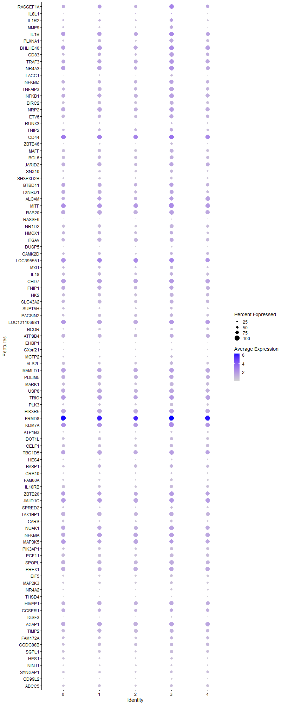
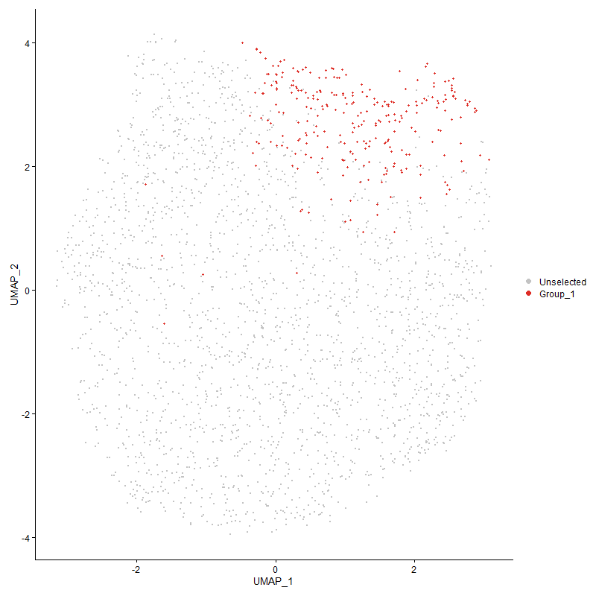
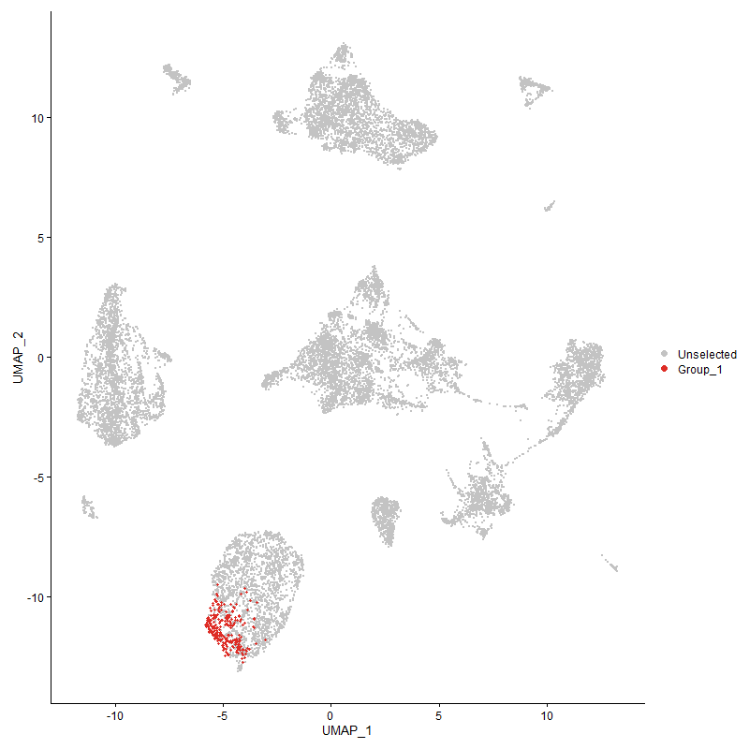
 | p_val | avg_log2FC | pct.1 | pct.2 | p_val_adj | cluster | gene
RASGEF1A1 | 2.3363254017E-71 | 1.7320904972 | 0.974 | 0.72 | 3.5678025209E-67 | 3 | RASGEF1A
IL8L1 | 1.622897816E-15 | 1.4648157883 | 0.248 | 0.093 | 2.4783272548E-11 | 3 | IL8L1
IL1R2 | 1.6405099713E-35 | 1.1961015719 | 0.733 | 0.406 | 2.5052227772E-31 | 3 | IL1R2
MMP9 | 5.8197762593E-48 | 1.1262810496 | 0.737 | 0.349 | 8.8873803255E-44 | 3 | MMP9
IL1B | 1.3625151133E-62 | 1.1180379456 | 0.992 | 0.879 | 2.0806968295E-58 | 3 | IL1B
PLXNA1 | 7.5176747086E-54 | 1.0449269473 | 0.846 | 0.488 | 1.1480241047E-49 | 3 | PLXNA1
BHLHE40 | 8.0697715232E-55 | 1.018686191 | 0.992 | 0.916 | 1.2323348093E-50 | 3 | BHLHE40
CD831 | 1.5204486326E-42 | 0.96981711179 | 0.925 | 0.616 | 2.3218771068E-38 | 3 | CD83
TRAF3 | 1.5821198697E-39 | 0.9021754202 | 0.962 | 0.854 | 2.416055253E-35 | 3 | TRAF3
NR4A3 | 1.0282292729E-27 | 0.86887704147 | 0.944 | 0.848 | 1.5702089226E-23 | 3 | NR4A3
LACC1 | 3.8773707322E-30 | 0.84130773796 | 0.466 | 0.183 | 5.9211328451E-26 | 3 | LACC1
NFKBIZ | 7.0400889861E-26 | 0.76446320222 | 0.898 | 0.718 | 1.0750919891E-21 | 3 | NFKBIZ
TNFAIP3 | 3.9948041649E-32 | 0.71261860645 | 0.944 | 0.734 | 6.1004654402E-28 | 3 | TNFAIP3
NFKB1 | 2.284807927E-30 | 0.70439825784 | 0.955 | 0.831 | 3.4891301854E-26 | 3 | NFKB1
BIRC2 | 6.9755363875E-28 | 0.69162313386 | 0.835 | 0.623 | 1.0652341617E-23 | 3 | BIRC2
NRP2 | 3.0472785254E-25 | 0.67703018719 | 0.955 | 0.879 | 4.6534990361E-21 | 3 | NRP2
ETV6 | 1.0447278417E-22 | 0.66400522057 | 0.883 | 0.7 | 1.5954038871E-18 | 3 | ETV6
RUNX3 | 1.1547745213E-10 | 0.65735034577 | 0.38 | 0.222 | 1.7634561714E-06 | 3 | RUNX3
TNIP2 | 7.9735338296E-13 | 0.64616493107 | 0.714 | 0.544 | 1.2176383511E-08 | 3 | TNIP2
CD44 | 1.1986588784E-10 | 0.63585860246 | 0.977 | 0.98 | 1.8304719732E-06 | 3 | CD44
ZBTB46 | 2.674565739E-19 | 0.63351406107 | 0.496 | 0.261 | 4.08432934E-15 | 3 | ZBTB46
MAFF | 1.1664003404E-21 | 0.60541545353 | 0.827 | 0.646 | 1.7812099598E-17 | 3 | MAFF
BCL6 | 5.6532850135E-12 | 0.55662686534 | 0.782 | 0.683 | 8.6331315441E-08 | 3 | BCL6
JARID2 | 1.7308697481E-13 | 0.5554822449 | 0.846 | 0.789 | 2.6432111923E-09 | 3 | JARID2
SNX10 | 1.1731738101E-12 | 0.55259362463 | 0.647 | 0.465 | 1.7915537254E-08 | 3 | SNX10
SH3PXD2B | 3.6493601775E-17 | 0.53595529555 | 0.594 | 0.378 | 5.5729379271E-13 | 3 | SH3PXD2B
BTBD111 | 1.4463112647E-15 | 0.53348795542 | 0.91 | 0.788 | 2.2086619324E-11 | 3 | BTBD11
TXNRD11 | 5.4952958177E-11 | 0.52091752886 | 0.842 | 0.739 | 8.3918662432E-07 | 3 | TXNRD1
ALCAM1 | 7.8405070378E-14 | 0.51772387385 | 0.868 | 0.802 | 1.1973238297E-09 | 3 | ALCAM
MITF1 | 1.9002487533E-15 | 0.51366074477 | 1 | 0.975 | 2.9018698712E-11 | 3 | MITF
RAB20 | 4.7420823113E-16 | 0.50150442983 | 0.94 | 0.882 | 7.2416338976E-12 | 3 | RAB20
RASSF6 | 2.166813744E-10 | 0.49125736282 | 0.165 | 0.062 | 3.3089412685E-06 | 3 | RASSF6
NR1D2 | 1.6045591254E-17 | 0.48130468736 | 0.812 | 0.627 | 2.4503222404E-13 | 3 | NR1D2
HMOX1 | 1.1633828248E-07 | 0.47899974846 | 0.756 | 0.636 | 0.0017766019118 | 3 | HMOX1
ITGAV | 1.9158060345E-05 | 0.47326684339 | 0.789 | 0.8 | 0.29256273952 | 3 | ITGAV
DUSP5 | 1.2552623715E-16 | 0.4669409968 | 0.342 | 0.152 | 1.9169111675E-12 | 3 | DUSP5
CAMK2D | 1.7049328742E-06 | 0.46464711145 | 0.602 | 0.507 | 0.026036029922 | 3 | CAMK2D
LOC3955511 | 1.9876017651E-17 | 0.46254611224 | 0.992 | 0.961 | 3.0352666555E-13 | 3 | LOC395551
MXI1 | 1.8201920122E-09 | 0.4520923777 | 0.635 | 0.489 | 2.7796152218E-05 | 3 | MXI1
IL18 | 3.2728986445E-08 | 0.44993586688 | 0.748 | 0.647 | 0.000499804352 | 3 | IL18
CHD7 | 8.640086262E-16 | 0.44901593798 | 0.985 | 0.944 | 1.3194275731E-11 | 3 | CHD7
FNIP1 | 2.5251303299E-14 | 0.44226221842 | 0.902 | 0.805 | 3.8561265268E-10 | 3 | FNIP1
HK2 | 3.1800124611E-12 | 0.44026514439 | 0.782 | 0.686 | 4.8561970294E-08 | 3 | HK2
SLC43A2 | 1.7416120705E-09 | 0.4383604651 | 0.812 | 0.726 | 2.6596157929E-05 | 3 | SLC43A2
SUPT5H1 | 5.156931156E-09 | 0.43100797774 | 0.568 | 0.424 | 7.8751495683E-05 | 3 | SUPT5H
PACSIN2 | 1.2103464753E-10 | 0.42978874671 | 0.733 | 0.618 | 1.8483201024E-06 | 3 | PACSIN2
LOC1211069811 | 7.0616984234E-16 | 0.42364943389 | 0.97 | 0.956 | 1.0783919662E-11 | 3 | LOC121106981
BCOR | 1.5155621367E-08 | 0.42309254128 | 0.519 | 0.371 | 0.00023144149389 | 3 | BCOR
ATP8B4 | 4.9706039919E-09 | 0.41842586165 | 0.823 | 0.771 | 7.5906093561E-05 | 3 | ATP8B4
EHBP1 | 1.5821037924E-12 | 0.41766733536 | 0.267 | 0.119 | 2.4160307014E-08 | 3 | EHBP1
CXorf21 | 8.0558148973E-09 | 0.40890653033 | 0.376 | 0.232 | 0.0001230203493 | 3 | CXorf21
MCTP2 | 6.2240138646E-12 | 0.40073466051 | 0.519 | 0.318 | 9.5046915727E-08 | 3 | MCTP2
ALS2L | 7.9860902348E-08 | 0.39093376641 | 0.703 | 0.606 | 0.0012195558398 | 3 | ALS2L
MAMLD1 | 1.4755001389E-09 | 0.38857008478 | 0.951 | 0.92 | 2.2532362622E-05 | 3 | MAMLD1
PDLIM5 | 1.7640947312E-09 | 0.38267765283 | 0.902 | 0.832 | 2.693949064E-05 | 3 | PDLIM5
MARK1 | 1.2023381013E-09 | 0.37692136941 | 0.797 | 0.649 | 1.8360905145E-05 | 3 | MARK1
USP6 | 2.8974197976E-10 | 0.37480232967 | 0.932 | 0.891 | 4.4246497729E-06 | 3 | USP6
TRIO | 1.9584104955E-08 | 0.36886064001 | 0.981 | 0.944 | 0.00029906886677 | 3 | TRIO
PLK3 | 7.2860692792E-10 | 0.36750333447 | 0.617 | 0.461 | 1.1126556396E-05 | 3 | PLK3
PIK3R5 | 4.5490351256E-13 | 0.36624368874 | 0.94 | 0.932 | 6.9468315403E-09 | 3 | PIK3R5
FRMD81 | 4.0137186869E-43 | 0.36578749581 | 1 | 1 | 6.1293498068E-39 | 3 | FRMD8
KDM7A1 | 9.7851148762E-14 | 0.36163893721 | 1 | 0.992 | 1.4942848927E-09 | 3 | KDM7A
ATP1B3 | 1.1504307248E-09 | 0.35862971863 | 0.447 | 0.293 | 1.7568227599E-05 | 3 | ATP1B3
DOT1L | 6.5394785036E-10 | 0.35636095237 | 0.68 | 0.546 | 9.9864376229E-06 | 3 | DOT1L
CELF1 | 8.5411460385E-07 | 0.35604630488 | 0.737 | 0.645 | 0.013043184115 | 3 | CELF1
TBC1D5 | 1.3510428073E-08 | 0.35603000425 | 0.929 | 0.905 | 0.0002063177471 | 3 | TBC1D5
HES4 | 4.921861794E-08 | 0.35525546906 | 0.38 | 0.241 | 0.00075161751456 | 3 | HES4
BASP11 | 0.0012160795112 | 0.35486529721 | 0.703 | 0.656 | 1 | 3 | BASP1
GRB10 | 1.7011751263E-06 | 0.35080119109 | 0.414 | 0.297 | 0.025978645354 | 3 | GRB10
FAM60A | 6.2881642185E-14 | 0.3491960534 | 0.602 | 0.386 | 9.6026555781E-10 | 3 | FAM60A
IL10RB | 1.6653077367E-10 | 0.3487782346 | 0.741 | 0.572 | 2.5430914447E-06 | 3 | IL10RB
ZBTB201 | 3.6451972416E-09 | 0.34599348356 | 0.932 | 0.876 | 5.5665807077E-05 | 3 | ZBTB20
JMJD1C | 1.633721568E-11 | 0.34590373493 | 0.992 | 0.983 | 2.4948562064E-07 | 3 | JMJD1C
SPRED2 | 4.3912339632E-07 | 0.34391273353 | 0.523 | 0.381 | 0.0067058533852 | 3 | SPRED2
TAX1BP1 | 4.1204838055E-10 | 0.34033552109 | 0.872 | 0.856 | 6.2923908194E-06 | 3 | TAX1BP1
CARS | 7.4770148496E-08 | 0.33775629523 | 0.575 | 0.448 | 0.0011418149377 | 3 | CARS
NUAK1 | 1.1470206369E-08 | 0.33622661803 | 0.936 | 0.883 | 0.00017516152145 | 3 | NUAK1
NFKBIA1 | 5.0121286386E-10 | 0.3326673282 | 0.977 | 0.944 | 7.654021644E-06 | 3 | NFKBIA
MAP3K51 | 6.5226335756E-05 | 0.33165424908 | 0.898 | 0.924 | 0.99607137332 | 3 | MAP3K5
PIK3AP1 | 1.8192122134E-10 | 0.33021583565 | 0.677 | 0.527 | 2.7781189711E-06 | 3 | PIK3AP1
PCF11 | 2.3702906656E-11 | 0.32686033288 | 0.827 | 0.669 | 3.6196708755E-07 | 3 | PCF11
SPOPL | 2.2462089199E-11 | 0.32594236966 | 0.936 | 0.847 | 3.4301856415E-07 | 3 | SPOPL
PREX1 | 3.1734134655E-06 | 0.32591657293 | 0.868 | 0.854 | 0.048461197032 | 3 | PREX1
EIF5 | 4.4961228211E-10 | 0.32564691191 | 0.605 | 0.428 | 6.8660291601E-06 | 3 | EIF5
MAP2K3 | 1.3755231627E-09 | 0.32297947896 | 0.602 | 0.453 | 2.1005614217E-05 | 3 | MAP2K3
NR4A2 | 5.0693215293E-10 | 0.31959620907 | 0.425 | 0.258 | 7.7413609074E-06 | 3 | NR4A2
THSD4 | 0.001415569917 | 0.31668455055 | 0.147 | 0.09 | 1 | 3 | THSD4
HIVEP1 | 2.3640075429E-07 | 0.31449748036 | 0.887 | 0.828 | 0.0036100759188 | 3 | HIVEP1
CCSER1 | 8.9209235981E-05 | 0.31327104225 | 0.759 | 0.728 | 1 | 3 | CCSER1
IGSF3 | 1.4464842662E-13 | 0.31264680303 | 0.293 | 0.125 | 2.208926123E-09 | 3 | IGSF3
AGAP1 | 1.2160931469E-09 | 0.31173645832 | 0.936 | 0.904 | 1.8570958446E-05 | 3 | AGAP1
TIMP2 | 5.5221267815E-06 | 0.30993667681 | 0.823 | 0.773 | 0.08432839808 | 3 | TIMP2
FAM172A | 0.00049017674563 | 0.30958058032 | 0.643 | 0.56 | 1 | 3 | FAM172A
CCDC88B | 0.0047496502123 | 0.30815394884 | 0.688 | 0.666 | 1 | 3 | CCDC88B
SGPL1 | 4.3075029939E-06 | 0.30803937955 | 0.639 | 0.544 | 0.06577987822 | 3 | SGPL1
HES1 | 1.2471337049E-06 | 0.30583066614 | 0.53 | 0.398 | 0.019044978807 | 3 | HES1
NINJ1 | 5.4091417214E-05 | 0.30557548247 | 0.41 | 0.32 | 0.82603003228 | 3 | NINJ1
SYNGAP1 | 7.4930563307E-05 | 0.30519890016 | 0.583 | 0.497 | 1 | 3 | SYNGAP1
CD99L2 | 1.9286898799E-12 | 0.30298374723 | 0.32 | 0.151 | 2.9453023157E-08 | 3 | CD99L2
ABCC5 | 0.00028692088515 | 0.30293982302 | 0.598 | 0.516 | 1 | 3 | ABCC5
SQSTM1 | 2.6025817611E-09 | 0.30160743227 | 0.523 | 0.35 | 3.9744026073E-05 | 3 | SQSTM1
MAFK | 2.5597360917E-06 | 0.29862416854 | 0.82 | 0.778 | 0.039089729857 | 3 | MAFK
HELZ | 6.8293792773E-07 | 0.2982552659 | 0.68 | 0.552 | 0.010429145094 | 3 | HELZ
LOC107049468 | 1.0293139552E-07 | 0.29738029042 | 0.774 | 0.699 | 0.0015718653411 | 3 | LOC107049468
SLC2A9 | 8.4735043567E-05 | 0.29705280894 | 0.658 | 0.542 | 1 | 3 | SLC2A9
RPS6KB1 | 3.1550005276E-05 | 0.29527719974 | 0.628 | 0.545 | 0.48180013058 | 3 | RPS6KB1
PELI3 | 3.7369841267E-07 | 0.29257031722 | 0.583 | 0.444 | 0.0057067484598 | 3 | PELI3
EPB41L2 | 6.8262188558E-06 | 0.29101166531 | 0.692 | 0.599 | 0.10424318815 | 3 | EPB41L2
RASA21 | 1.9004398994E-06 | 0.29092223745 | 0.842 | 0.749 | 0.029021617704 | 3 | RASA2
HIVEP3 | 2.1060124384E-06 | 0.28839074874 | 0.842 | 0.784 | 0.032160915947 | 3 | HIVEP3
SEPTIN14 | 2.5168182883E-07 | 0.28558395721 | 0.406 | 0.272 | 0.003843433208 | 3 | SEPTIN14
ABCC1 | 1.4768411429E-06 | 0.28423728912 | 0.598 | 0.482 | 0.022552841093 | 3 | ABCC1
SLC9A9 | 3.8829591825E-05 | 0.28274128422 | 0.955 | 0.895 | 0.59296669676 | 3 | SLC9A9
SERTAD2 | 2.8722692621E-05 | 0.28256589733 | 0.861 | 0.795 | 0.43862423901 | 3 | SERTAD2
RNF130 | 4.0557592343E-05 | 0.28107700074 | 0.707 | 0.616 | 0.61935499267 | 3 | RNF130
MACF1 | 6.1493010605E-06 | 0.27760325427 | 0.729 | 0.668 | 0.093905976495 | 3 | MACF1
IRF2 | 1.4479455138E-05 | 0.27694700964 | 0.741 | 0.662 | 0.22111575941 | 3 | IRF2
WDFY4 | 4.925764072E-05 | 0.27532239432 | 0.477 | 0.37 | 0.75221343143 | 3 | WDFY4
ANTXR2 | 7.6878537827E-06 | 0.27337381883 | 0.947 | 0.938 | 0.11740121512 | 3 | ANTXR2
BRAF | 6.8227201723E-06 | 0.27230077232 | 0.797 | 0.749 | 0.10418975975 | 3 | BRAF
EZH2 | 0.0062788022967 | 0.27188464309 | 0.515 | 0.471 | 1 | 3 | EZH2
DIP2B | 0.00038457839377 | 0.27030154292 | 0.515 | 0.451 | 1 | 3 | DIP2B
PANK3 | 3.2187018939E-06 | 0.26797308407 | 0.835 | 0.776 | 0.049152796622 | 3 | PANK3
PLSCR1 | 0.00010610010099 | 0.26786420317 | 0.744 | 0.724 | 1 | 3 | PLSCR1
MARCH8 | 0.00010111753638 | 0.26341833743 | 0.955 | 0.956 | 1 | 3 | MARCH8
CCNL1 | 6.0533705501E-05 | 0.26327147032 | 0.827 | 0.774 | 0.92441021671 | 3 | CCNL1
SNX8 | 3.4290170818E-06 | 0.26099909625 | 0.312 | 0.201 | 0.052364519856 | 3 | SNX8
SH3BP5 | 0.0002087728537 | 0.25873958906 | 0.628 | 0.554 | 1 | 3 | SH3BP5
ZCCHC7 | 1.4969270187E-05 | 0.25659660567 | 0.308 | 0.203 | 0.22859572502 | 3 | ZCCHC7
PLEKHO1 | 1.0024115687E-05 | 0.25452453685 | 0.508 | 0.375 | 0.15307827066 | 3 | PLEKHO1
LOC107055390 | 0.00053712019337 | 0.25275510215 | 0.624 | 0.546 | 1 | 3 | LOC107055390
FAF2 | 1.5082168918E-07 | 0.25204518052 | 0.602 | 0.445 | 0.0023031980154 | 3 | FAF2
EXOC4 | 8.1093716469E-07 | 0.25201031302 | 0.936 | 0.878 | 0.012383821442 | 3 | EXOC4
RGL4 | 1.1642440499E-05 | 0.25085453884 | 0.515 | 0.405 | 0.17779170885 | 3 | RGL4
LOC100859602 | 2.520019663E-05 | 0.25026731049 | 0.872 | 0.829 | 0.38483220274 | 3 | LOC100859602
MXD4 | 0.00018617504264 | 0.25005145998 | 0.756 | 0.71 | 1 | 3 | MXD4

Cluster4
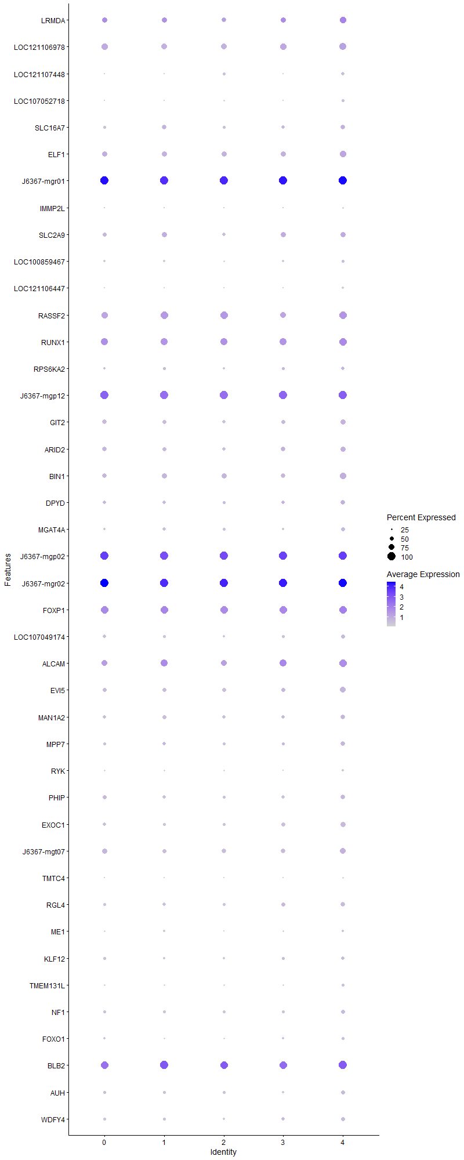
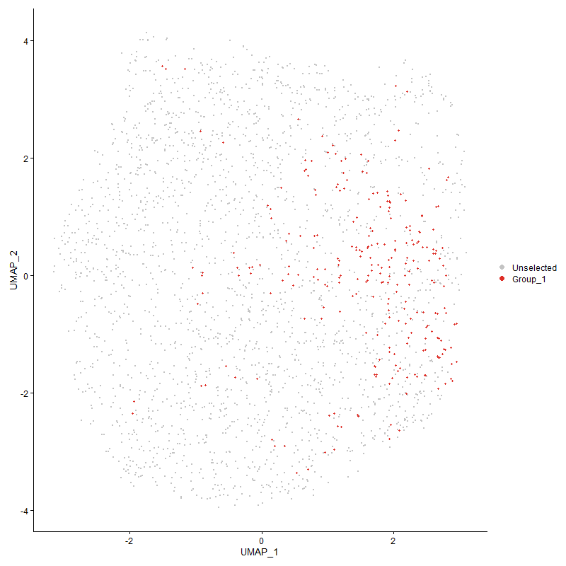
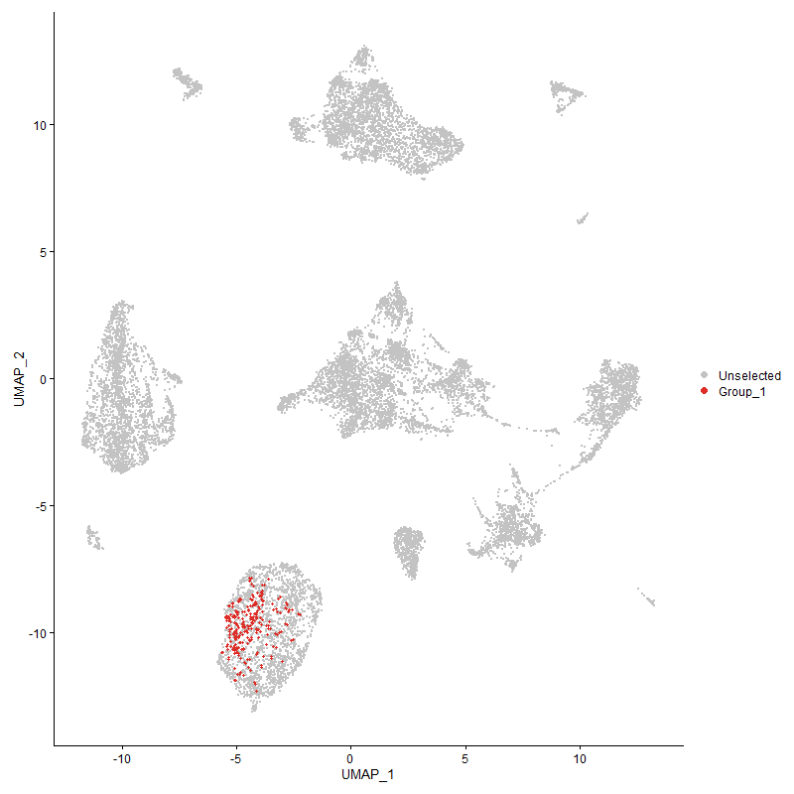
 | p_val | avg_log2FC | pct.1 | pct.2 | p_val_adj | cluster | gene
LRMDA | 9.5905655461E-07 | 0.44483568977 | 0.795 | 0.669 | 0.014645752645 | 4 | LRMDA
LOC121106978 | 9.3065325281E-17 | 0.42474270288 | 0.888 | 0.768 | 1.4212005824E-12 | 4 | LOC121106978
LOC1211074481 | 2.2447133714E-21 | 0.3945440378 | 0.44 | 0.182 | 3.4279017895E-17 | 4 | LOC121107448
LOC107052718 | 2.6050845567E-24 | 0.38159710081 | 0.409 | 0.152 | 3.9782246265E-20 | 4 | LOC107052718
SLC16A71 | 3.5901541447E-08 | 0.37834290529 | 0.595 | 0.438 | 0.00054825243943 | 4 | SLC16A7
ELF1 | 2.1352804589E-10 | 0.37774154566 | 0.803 | 0.688 | 3.2607867889E-06 | 4 | ELF1
J6367-mgr011 | 5.2428268418E-17 | 0.35095287671 | 1 | 1 | 8.0063208702E-13 | 4 | J6367-mgr01
IMMP2L | 0.00075661817887 | 0.3267908162 | 0.255 | 0.171 | 1 | 4 | IMMP2L
SLC2A91 | 2.2592979203E-05 | 0.32129135427 | 0.633 | 0.545 | 0.34501738541 | 4 | SLC2A9
LOC100859467 | 1.3176412765E-06 | 0.32120353054 | 0.402 | 0.279 | 0.020121699933 | 4 | LOC100859467
LOC121106447 | 9.8416616077E-26 | 0.31163531247 | 0.293 | 0.083 | 1.5029201441E-21 | 4 | LOC121106447
RASSF21 | 1.124613956E-10 | 0.30874865281 | 0.954 | 0.884 | 1.7173979722E-06 | 4 | RASSF2
RUNX1 | 1.8938123688E-05 | 0.30828944097 | 0.938 | 0.898 | 0.28920408683 | 4 | RUNX1
RPS6KA2 | 6.6108957709E-07 | 0.29820846749 | 0.471 | 0.318 | 0.010095498932 | 4 | RPS6KA2
J6367-mgp121 | 1.1649769689E-14 | 0.29732143664 | 1 | 1 | 1.7790363292E-10 | 4 | J6367-mgp12
GIT2 | 1.9014966358E-08 | 0.2866749412 | 0.653 | 0.521 | 0.00029037755126 | 4 | GIT2
ARID2 | 0.00012976225682 | 0.28561541637 | 0.656 | 0.551 | 1 | 4 | ARID2
BIN1 | 5.7855977919E-08 | 0.28521938747 | 0.792 | 0.633 | 0.0008835186388 | 4 | BIN1
DPYD | 1.2038044459E-06 | 0.28498474947 | 0.602 | 0.435 | 0.018383297693 | 4 | DPYD
MGAT4A | 1.3862309484E-05 | 0.28325822227 | 0.502 | 0.372 | 0.21169132813 | 4 | MGAT4A
J6367-mgp021 | 3.5861741217E-14 | 0.28322275435 | 1 | 1 | 5.4764465012E-10 | 4 | J6367-mgp02
J6367-mgr021 | 8.1118248037E-12 | 0.2830501158 | 1 | 1 | 1.2387567658E-07 | 4 | J6367-mgr02
FOXP1 | 1.3603279495E-09 | 0.27894176259 | 0.981 | 0.979 | 2.0773568117E-05 | 4 | FOXP1
LOC107049174 | 2.2206345833E-06 | 0.2775434589 | 0.494 | 0.374 | 0.033911310721 | 4 | LOC107049174
ALCAM2 | 3.2967725411E-08 | 0.27591465324 | 0.938 | 0.794 | 0.00050345013476 | 4 | ALCAM
EVI5 | 1.5659844419E-09 | 0.27207266879 | 0.707 | 0.516 | 2.3914148412E-05 | 4 | EVI5
MAN1A2 | 5.2918304638E-05 | 0.26950988652 | 0.575 | 0.473 | 0.80811543012 | 4 | MAN1A2
MPP7 | 6.2845972293E-09 | 0.2694997809 | 0.591 | 0.392 | 9.5972084288E-05 | 4 | MPP7
RYK | 8.1801409105E-09 | 0.26758367265 | 0.336 | 0.193 | 0.00012491893184 | 4 | RYK
PHIP | 1.3749719075E-08 | 0.26686877478 | 0.625 | 0.461 | 0.00020997196 | 4 | PHIP
EXOC1 | 1.6193471799E-11 | 0.26492870979 | 0.637 | 0.422 | 2.4729050784E-07 | 4 | EXOC1
J6367-mgt07 | 2.7582059537E-07 | 0.26435338003 | 0.714 | 0.592 | 0.0042120563119 | 4 | J6367-mgt07
TMTC4 | 3.3492951816E-08 | 0.26423840294 | 0.247 | 0.126 | 0.00051147086717 | 4 | TMTC4
RGL41 | 5.6159591878E-09 | 0.26376101909 | 0.579 | 0.397 | 8.5761312756E-05 | 4 | RGL4
ME1 | 0.00073104446856 | 0.26089863737 | 0.305 | 0.22 | 1 | 4 | ME1
KLF12 | 0.0003862156432 | 0.2598775846 | 0.425 | 0.324 | 1 | 4 | KLF12
TMEM131L | 1.1928184228E-07 | 0.25982372155 | 0.355 | 0.217 | 0.0018215530135 | 4 | TMEM131L
NF1 | 5.2398971917E-06 | 0.25780737595 | 0.494 | 0.37 | 0.080018470014 | 4 | NF1
FOXO1 | 8.9764753752E-09 | 0.25530824043 | 0.405 | 0.237 | 0.00013707975545 | 4 | FOXO1
BLB22 | 8.0558556105E-13 | 0.25404609305 | 1 | 0.994 | 1.2302097103E-08 | 4 | BLB2
AUH | 1.9996297923E-05 | 0.25061398498 | 0.486 | 0.364 | 0.30536346558 | 4 | AUH
WDFY41 | 5.0564129596E-07 | 0.25037635865 | 0.514 | 0.366 | 0.0077216482306 | 4 | WDFY4

