Clustered cells
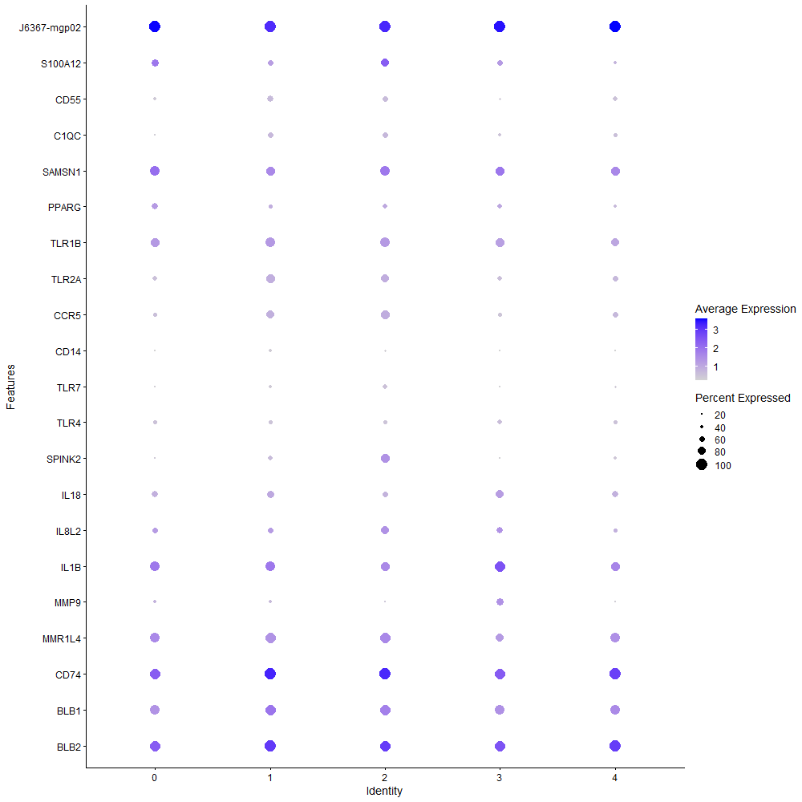
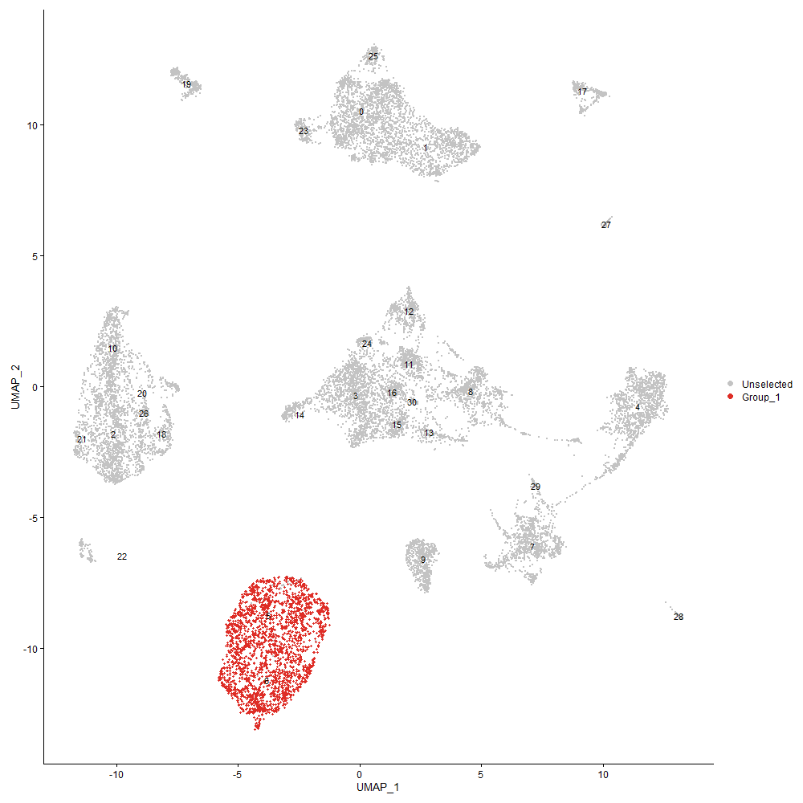
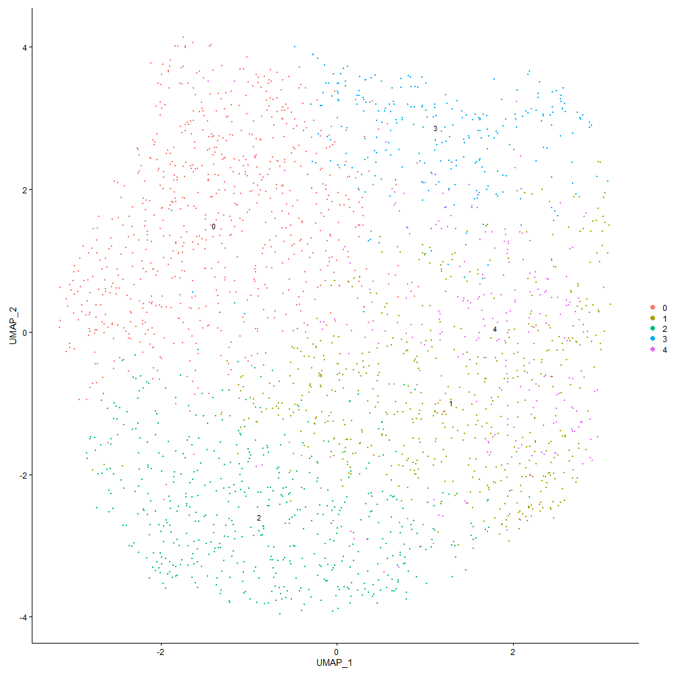
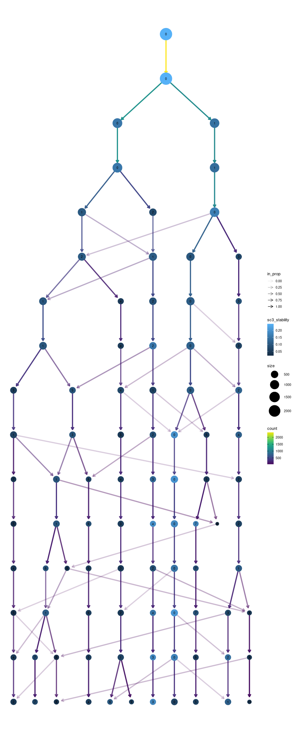

Cluster0
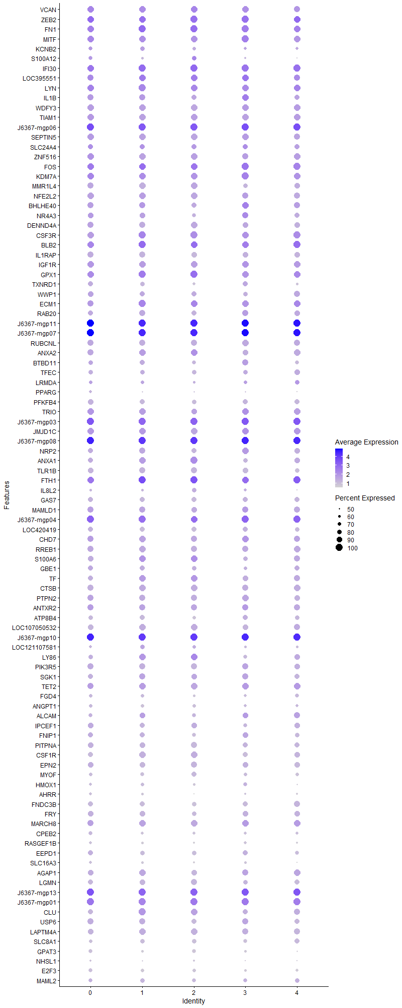
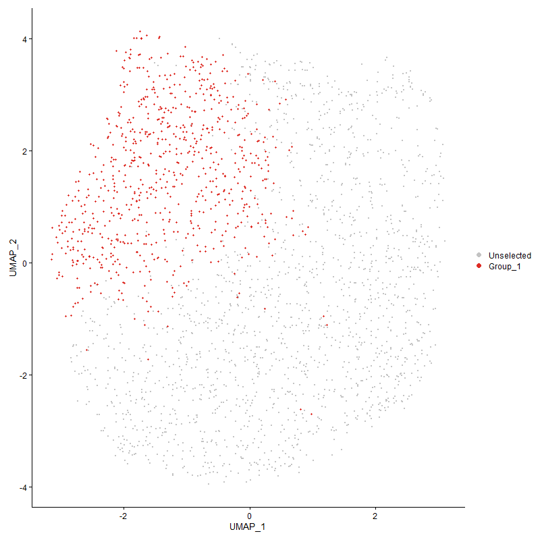
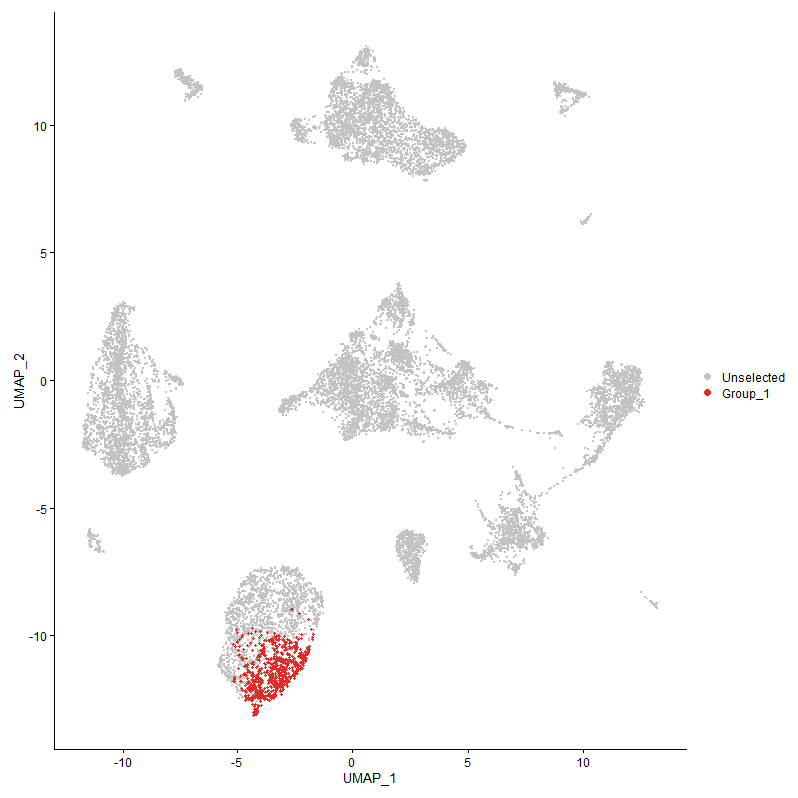
 | p_val | avg_log2FC | pct.1 | pct.2 | p_val_adj | cluster | gene
VCAN | 0 | 2.1906301485 | 0.965 | 0.107 | 0 | 0 | VCAN
ZEB2 | 0 | 1.9962162006 | 0.992 | 0.265 | 0 | 0 | ZEB2
FN1 | 0 | 1.9571805141 | 0.991 | 0.121 | 0 | 0 | FN1
MITF | 0 | 1.8503217611 | 0.97 | 0.251 | 0 | 0 | MITF
KCNB2 | 0 | 1.8303819067 | 0.716 | 0.069 | 0 | 0 | KCNB2
S100A12 | 0 | 1.805228074 | 0.682 | 0.078 | 0 | 0 | S100A12
IFI30 | 0 | 1.7707188937 | 0.996 | 0.46 | 0 | 0 | IFI30
LOC395551 | 0 | 1.720612007 | 0.909 | 0.166 | 0 | 0 | LOC395551
LYN | 0 | 1.6775021546 | 0.984 | 0.325 | 0 | 0 | LYN
IL1B | 0 | 1.6521943921 | 0.85 | 0.113 | 0 | 0 | IL1B
WDFY3 | 0 | 1.6401579229 | 0.957 | 0.104 | 0 | 0 | WDFY3
TIAM1 | 0 | 1.6223531711 | 0.965 | 0.191 | 0 | 0 | TIAM1
J6367-mgp06 | 0 | 1.6039628326 | 1 | 0.974 | 0 | 0 | J6367-mgp06
SEPTIN5 | 0 | 1.5813077175 | 0.951 | 0.2 | 0 | 0 | SEPTIN5
SLC24A4 | 6.9254419554E-228 | 1.5735905593 | 0.772 | 0.273 | 1.057584241E-223 | 0 | SLC24A4
ZNF516 | 0 | 1.5459712997 | 0.957 | 0.242 | 0 | 0 | ZNF516
FOS | 0 | 1.5328964534 | 0.993 | 0.537 | 0 | 0 | FOS
KDM7A | 0 | 1.5035255635 | 0.982 | 0.523 | 0 | 0 | KDM7A
MMR1L4 | 0 | 1.4860646334 | 0.88 | 0.093 | 0 | 0 | MMR1L4
NFE2L2 | 0 | 1.479962616 | 0.934 | 0.148 | 0 | 0 | NFE2L2
BHLHE40 | 0 | 1.4451448968 | 0.869 | 0.167 | 0 | 0 | BHLHE40
NR4A3 | 0 | 1.4439445898 | 0.826 | 0.21 | 0 | 0 | NR4A3
DENND4A | 0 | 1.395364936 | 0.909 | 0.205 | 0 | 0 | DENND4A
CSF3R | 0 | 1.3885821469 | 0.962 | 0.138 | 0 | 0 | CSF3R
BLB2 | 0 | 1.3522151233 | 0.978 | 0.306 | 0 | 0 | BLB2
IL1RAP | 0 | 1.3410917316 | 0.88 | 0.105 | 0 | 0 | IL1RAP
IGF1R | 0 | 1.3268521514 | 0.953 | 0.329 | 0 | 0 | IGF1R
GPX1 | 2.0449895377E-266 | 1.3089110351 | 0.93 | 0.428 | 3.122903523E-262 | 0 | GPX1
TXNRD1 | 0 | 1.3067855398 | 0.754 | 0.098 | 0 | 0 | TXNRD1
WWP1 | 0 | 1.3034554331 | 0.835 | 0.239 | 0 | 0 | WWP1
ECM1 | 0 | 1.2953469522 | 0.931 | 0.169 | 0 | 0 | ECM1
RAB20 | 0 | 1.2944378887 | 0.8 | 0.112 | 0 | 0 | RAB20
J6367-mgp11 | 0 | 1.2893171959 | 1 | 1 | 0 | 0 | J6367-mgp11
J6367-mgp07 | 0 | 1.2872062549 | 1 | 1 | 0 | 0 | J6367-mgp07
RUBCNL | 0 | 1.2828352852 | 0.9 | 0.199 | 0 | 0 | RUBCNL
ANXA2 | 0 | 1.278961606 | 0.889 | 0.148 | 0 | 0 | ANXA2
BTBD11 | 0 | 1.2704333118 | 0.75 | 0.176 | 0 | 0 | BTBD11
TFEC | 0 | 1.2664758805 | 0.743 | 0.078 | 0 | 0 | TFEC
LRMDA | 5.2059914751E-299 | 1.2432206943 | 0.642 | 0.136 | 7.9500695816E-295 | 0 | LRMDA
PPARG | 0 | 1.235258192 | 0.614 | 0.046 | 0 | 0 | PPARG
PFKFB4 | 0 | 1.2193077104 | 0.812 | 0.095 | 0 | 0 | PFKFB4
TRIO | 2.7345250603E-235 | 1.1943631018 | 0.92 | 0.416 | 4.1758932196E-231 | 0 | TRIO
J6367-mgp03 | 1.6844145198E-307 | 1.1665242376 | 1 | 0.988 | 2.5722694132E-303 | 0 | J6367-mgp03
JMJD1C | 3.0867109961E-254 | 1.1383500058 | 0.957 | 0.488 | 4.7137163621E-250 | 0 | JMJD1C
J6367-mgp08 | 0 | 1.1343617088 | 1 | 0.999 | 0 | 0 | J6367-mgp08
NRP2 | 0 | 1.1340315945 | 0.792 | 0.174 | 0 | 0 | NRP2
ANXA1 | 0 | 1.1294626395 | 0.796 | 0.115 | 0 | 0 | ANXA1
TLR1B | 0 | 1.128246533 | 0.788 | 0.116 | 0 | 0 | TLR1B
FTH1 | 1.496164127E-224 | 1.1268826625 | 0.969 | 0.582 | 2.2847922383E-220 | 0 | FTH1
IL8L2 | 0 | 1.1187737508 | 0.557 | 0.064 | 0 | 0 | IL8L2
GAS7 | 0 | 1.1129390633 | 0.753 | 0.12 | 0 | 0 | GAS7
MAMLD1 | 1.2967590539E-246 | 1.1124184307 | 0.858 | 0.319 | 1.9802807512E-242 | 0 | MAMLD1
J6367-mgp04 | 1.7759748217E-280 | 1.112377667 | 1 | 0.974 | 2.7120911502E-276 | 0 | J6367-mgp04
LOC420419 | 0 | 1.1007572707 | 0.757 | 0.142 | 0 | 0 | LOC420419
CHD7 | 4.5941409457E-240 | 1.0934154864 | 0.918 | 0.408 | 7.0157126381E-236 | 0 | CHD7
RREB1 | 0 | 1.0830868206 | 0.905 | 0.282 | 0 | 0 | RREB1
S100A6 | 0 | 1.0812054337 | 0.819 | 0.11 | 0 | 0 | S100A6
GBE1 | 4.1937869949E-240 | 1.0811449756 | 0.735 | 0.224 | 6.4043321199E-236 | 0 | GBE1
TF | 0 | 1.075121121 | 0.808 | 0.111 | 0 | 0 | TF
CTSB | 0 | 1.0699008446 | 0.846 | 0.167 | 0 | 0 | CTSB
PTPN2 | 1.4835174455E-249 | 1.0691377331 | 0.889 | 0.381 | 2.2654794911E-245 | 0 | PTPN2
ANTXR2 | 1.5074440677E-210 | 1.0632080663 | 0.908 | 0.418 | 2.3020178358E-206 | 0 | ANTXR2
ATP8B4 | 0 | 1.0601216675 | 0.695 | 0.072 | 0 | 0 | ATP8B4
LOC107050532 | 0 | 1.0486104233 | 0.799 | 0.116 | 0 | 0 | LOC107050532
J6367-mgp10 | 2.8954591246E-280 | 1.0397727728 | 1 | 0.999 | 4.4216556291E-276 | 0 | J6367-mgp10
LOC121107581 | 0 | 1.0394679541 | 0.578 | 0.073 | 0 | 0 | LOC121107581
LY86 | 0 | 1.0376953096 | 0.758 | 0.102 | 0 | 0 | LY86
PIK3R5 | 0 | 1.0329537502 | 0.924 | 0.315 | 0 | 0 | PIK3R5
SGK1 | 0 | 1.0203950293 | 0.75 | 0.126 | 0 | 0 | SGK1
TET2 | 2.8053365587E-210 | 1.0193495527 | 0.923 | 0.422 | 4.2840294588E-206 | 0 | TET2
FGD4 | 0 | 1.01766852 | 0.609 | 0.093 | 0 | 0 | FGD4
ANGPT1 | 0 | 1.0135371471 | 0.619 | 0.072 | 0 | 0 | ANGPT1
ALCAM | 0 | 1.0014358427 | 0.636 | 0.114 | 0 | 0 | ALCAM
IPCEF1 | 2.3000370446E-270 | 0.97520470695 | 0.822 | 0.247 | 3.5123865708E-266 | 0 | IPCEF1
FNIP1 | 1.2933677854E-214 | 0.97227402908 | 0.747 | 0.259 | 1.9751019451E-210 | 0 | FNIP1
PITPNA | 2.2602190115E-276 | 0.97141524895 | 0.804 | 0.249 | 3.4515804524E-272 | 0 | PITPNA
CSF1R | 0 | 0.96846526396 | 0.789 | 0.095 | 0 | 0 | CSF1R
EPN2 | 1.1585226898E-239 | 0.95890378559 | 0.82 | 0.307 | 1.7691799996E-235 | 0 | EPN2
MYOF | 0 | 0.95860465363 | 0.616 | 0.069 | 0 | 0 | MYOF
HMOX1 | 0 | 0.95819784931 | 0.554 | 0.06 | 0 | 0 | HMOX1
AHRR | 0 | 0.94372093258 | 0.564 | 0.049 | 0 | 0 | AHRR
FNDC3B | 0 | 0.9296042052 | 0.749 | 0.145 | 0 | 0 | FNDC3B
FRY | 1.864060603E-275 | 0.92211675528 | 0.785 | 0.223 | 2.8466069469E-271 | 0 | FRY
MARCH8 | 7.3221440293E-190 | 0.92019870043 | 0.884 | 0.391 | 1.1181646147E-185 | 0 | MARCH8
CPEB2 | 9.9476549351E-256 | 0.91539894513 | 0.618 | 0.153 | 1.5191063851E-251 | 0 | CPEB2
RASGEF1B | 0 | 0.9103338901 | 0.573 | 0.049 | 0 | 0 | RASGEF1B
EEPD1 | 3.0565333492E-230 | 0.91028227087 | 0.791 | 0.272 | 4.6676320776E-226 | 0 | EEPD1
SLC16A3 | 0 | 0.89820946597 | 0.588 | 0.078 | 0 | 0 | SLC16A3
AGAP1 | 1.7878116186E-233 | 0.8950642826 | 0.814 | 0.272 | 2.7301671228E-229 | 0 | AGAP1
LGMN | 1.0060522164E-285 | 0.89041152244 | 0.723 | 0.191 | 1.5363423397E-281 | 0 | LGMN
J6367-mgp13 | 2.8793362625E-231 | 0.87679195375 | 1 | 0.996 | 4.3970344065E-227 | 0 | J6367-mgp13
J6367-mgp01 | 1.4228495389E-166 | 0.87368185307 | 0.997 | 0.875 | 2.1728335308E-162 | 0 | J6367-mgp01
CLU | 0 | 0.87153478849 | 0.75 | 0.137 | 0 | 0 | CLU
USP6 | 2.0685733123E-210 | 0.871030223 | 0.843 | 0.339 | 3.1589183051E-206 | 0 | USP6
LAPTM4A | 1.9766475916E-253 | 0.8659261286 | 0.796 | 0.258 | 3.0185385372E-249 | 0 | LAPTM4A
SLC8A1 | 0 | 0.8650951118 | 0.588 | 0.073 | 0 | 0 | SLC8A1
GPAT3 | 0 | 0.8591254433 | 0.636 | 0.083 | 0 | 0 | GPAT3
NHSL1 | 0 | 0.85726457196 | 0.476 | 0.059 | 0 | 0 | NHSL1
E2F3 | 0 | 0.85295375836 | 0.642 | 0.089 | 0 | 0 | E2F3
MAML2 | 4.9306207412E-212 | 0.85208641856 | 0.654 | 0.185 | 7.5295509339E-208 | 0 | MAML2
FOSL2 | 6.0961798045E-284 | 0.84932711468 | 0.731 | 0.192 | 9.3094761794E-280 | 0 | FOSL2
RASGRP1 | 1.2045106444E-143 | 0.84852819074 | 0.814 | 0.411 | 1.839408205E-139 | 0 | RASGRP1
ABCA9 | 0 | 0.84706648441 | 0.642 | 0.076 | 0 | 0 | ABCA9
APLP2 | 0 | 0.84502202316 | 0.75 | 0.153 | 0 | 0 | APLP2
FGL2 | 0 | 0.84401830591 | 0.735 | 0.16 | 0 | 0 | FGL2
HTR1F | 7.3884527698E-307 | 0.84311321211 | 0.511 | 0.085 | 1.1282906225E-302 | 0 | HTR1F
VIM | 7.2826601551E-196 | 0.83621549297 | 0.801 | 0.299 | 1.1121350323E-191 | 0 | VIM
IMPA2 | 1.6820379882E-248 | 0.83560670623 | 0.63 | 0.162 | 2.5686402118E-244 | 0 | IMPA2
FAP | 0 | 0.83506428602 | 0.584 | 0.061 | 0 | 0 | FAP
ANKRD13A | 7.0964886534E-303 | 0.83104170814 | 0.722 | 0.179 | 1.0837047823E-298 | 0 | ANKRD13A
PPDPF | 0 | 0.82969398203 | 0.709 | 0.117 | 0 | 0 | PPDPF
LBP | 0 | 0.82747760225 | 0.704 | 0.101 | 0 | 0 | LBP
CD74 | 6.0410389741E-202 | 0.82558765703 | 0.943 | 0.351 | 9.2252706174E-198 | 0 | CD74
CREM | 0 | 0.8123974211 | 0.657 | 0.146 | 0 | 0 | CREM
ELMSAN1 | 1.398154994E-221 | 0.80772877198 | 0.659 | 0.193 | 2.1351224913E-217 | 0 | ELMSAN1
TIPARP | 1.3924111725E-166 | 0.80038576261 | 0.742 | 0.304 | 2.1263511016E-162 | 0 | TIPARP
SPSB1 | 7.9574194467E-271 | 0.79792661331 | 0.684 | 0.175 | 1.2151775237E-266 | 0 | SPSB1
AZIN1 | 3.3904819315E-284 | 0.79782316669 | 0.677 | 0.166 | 5.1776049576E-280 | 0 | AZIN1
BMP2K | 2.7606265049E-126 | 0.79248010896 | 0.904 | 0.558 | 4.2157527356E-122 | 0 | BMP2K
LRP1 | 0 | 0.78606716772 | 0.665 | 0.071 | 0 | 0 | LRP1
NET1 | 0 | 0.78539220089 | 0.584 | 0.064 | 0 | 0 | NET1
LOC101750635 | 0 | 0.77748797608 | 0.646 | 0.102 | 0 | 0 | LOC101750635
HMGCS1 | 7.6881890421E-140 | 0.77272310857 | 0.589 | 0.209 | 1.1740633486E-135 | 0 | HMGCS1
RAB7A | 4.343394345E-190 | 0.77195434865 | 0.661 | 0.221 | 6.6327975042E-186 | 0 | RAB7A
ITSN1 | 5.7239579356E-275 | 0.77186131106 | 0.708 | 0.177 | 8.7410561634E-271 | 0 | ITSN1
SRGAP2 | 0 | 0.77145280621 | 0.608 | 0.11 | 0 | 0 | SRGAP2
CAMK1D | 1.6051625951E-121 | 0.76995045498 | 0.876 | 0.452 | 2.451243799E-117 | 0 | CAMK1D
ZBTB20 | 6.886106703E-126 | 0.76671939972 | 0.826 | 0.384 | 1.0515773546E-121 | 0 | ZBTB20
EXFABP | 0 | 0.76554590172 | 0.6 | 0.104 | 0 | 0 | EXFABP
ELL | 1.4574762902E-248 | 0.76444635019 | 0.736 | 0.219 | 2.2257120428E-244 | 0 | ELL
ATRN | 1.1983106947E-171 | 0.76240237215 | 0.909 | 0.449 | 1.8299402619E-167 | 0 | ATRN
SAMSN1 | 1.9376775391E-107 | 0.75937399038 | 0.912 | 0.603 | 2.95902737E-103 | 0 | SAMSN1
MAFB | 0 | 0.75861707384 | 0.581 | 0.086 | 0 | 0 | MAFB
RPS6KA3 | 5.3109604508E-124 | 0.75728499006 | 0.843 | 0.479 | 8.1103677044E-120 | 0 | RPS6KA3
BACH1 | 2.5224288436E-303 | 0.75190070226 | 0.661 | 0.147 | 3.8520010871E-299 | 0 | BACH1
ACSL1 | 0 | 0.75119325805 | 0.469 | 0.042 | 0 | 0 | ACSL1
SPI1 | 2.3234385271E-243 | 0.74885387101 | 0.695 | 0.183 | 3.5481229747E-239 | 0 | SPI1
IL1R2 | 3.8490557502E-216 | 0.74734850734 | 0.32 | 0.045 | 5.8778930362E-212 | 0 | IL1R2
SKAP2 | 6.2635417254E-148 | 0.73922181347 | 0.795 | 0.345 | 9.5650545689E-144 | 0 | SKAP2
GAPDH | 9.8064073307E-169 | 0.73102576515 | 0.789 | 0.316 | 1.4975364635E-164 | 0 | GAPDH
PID1 | 0 | 0.73098942142 | 0.516 | 0.048 | 0 | 0 | PID1
PARD3 | 0 | 0.72965047974 | 0.464 | 0.049 | 0 | 0 | PARD3
NEK6 | 2.2447619096E-212 | 0.72340046376 | 0.676 | 0.205 | 3.4279759121E-208 | 0 | NEK6
ITGAD | 6.2938274869E-280 | 0.72158192685 | 0.716 | 0.178 | 9.6113039553E-276 | 0 | ITGAD
PLSCR1 | 0 | 0.72038684236 | 0.574 | 0.096 | 0 | 0 | PLSCR1
SORBS1 | 0 | 0.71994250716 | 0.576 | 0.082 | 0 | 0 | SORBS1
MMP9 | 0 | 0.718564369 | 0.374 | 0.037 | 0 | 0 | MMP9
AHR1A | 9.5760186527E-194 | 0.71659622619 | 0.661 | 0.2 | 1.4623538085E-189 | 0 | AHR1A
PLEKHA5 | 0 | 0.71458354585 | 0.512 | 0.074 | 0 | 0 | PLEKHA5
TBXAS1 | 4.5343001101E-159 | 0.71420576503 | 0.772 | 0.286 | 6.9243296981E-155 | 0 | TBXAS1
MECR | 0 | 0.71411159525 | 0.607 | 0.08 | 0 | 0 | MECR
TIMP2 | 3.0604004123E-297 | 0.70845074119 | 0.574 | 0.11 | 4.6735374696E-293 | 0 | TIMP2
LOC107055390 | 2.8942634564E-193 | 0.70800396216 | 0.504 | 0.127 | 4.4198297243E-189 | 0 | LOC107055390
MGST1 | 0 | 0.7058312271 | 0.632 | 0.104 | 0 | 0 | MGST1
RASGEF1A | 2.5340809691E-111 | 0.70556108478 | 0.624 | 0.255 | 3.869795048E-107 | 0 | RASGEF1A
SBNO2 | 1.9911441643E-200 | 0.70128970534 | 0.642 | 0.197 | 3.0406762533E-196 | 0 | SBNO2
J6367-mgp02 | 2.1897832905E-142 | 0.69870958519 | 1 | 0.995 | 3.3440180629E-138 | 0 | J6367-mgp02
IQGAP2 | 2.6138629005E-82 | 0.69378198907 | 0.886 | 0.624 | 3.9916300353E-78 | 0 | IQGAP2
GRN | 3.0525871855E-304 | 0.68759169381 | 0.643 | 0.131 | 4.6616058911E-300 | 0 | GRN
MAFF | 0 | 0.68640147784 | 0.558 | 0.074 | 0 | 0 | MAFF
RASSF2 | 7.9494844655E-170 | 0.68598397952 | 0.714 | 0.256 | 1.2139657727E-165 | 0 | RASSF2
MXI1 | 2.1176499704E-135 | 0.68475572479 | 0.404 | 0.109 | 3.2338632697E-131 | 0 | MXI1
PRNP | 1.2603447384E-282 | 0.67492337926 | 0.642 | 0.139 | 1.92467245E-278 | 0 | PRNP
J6367-mgp12 | 1.7821403699E-146 | 0.67459834042 | 0.997 | 0.971 | 2.7215065588E-142 | 0 | J6367-mgp12
ALS2L | 0 | 0.6724806281 | 0.527 | 0.053 | 0 | 0 | ALS2L
TAB3 | 3.8929133425E-139 | 0.67097466349 | 0.685 | 0.284 | 5.9448679654E-135 | 0 | TAB3
SAA | 8.7509827225E-224 | 0.66159541452 | 0.464 | 0.088 | 1.3363625716E-219 | 0 | SAA
GADD45B | 1.5354955115E-295 | 0.65928660948 | 0.545 | 0.102 | 2.3448551956E-291 | 0 | GADD45B
FRMD8 | 3.1268284014E-250 | 0.65870227646 | 1 | 1 | 4.7749796517E-246 | 0 | FRMD8
ARHGAP12 | 1.5351834003E-184 | 0.65714290953 | 0.676 | 0.215 | 2.3443785707E-180 | 0 | ARHGAP12
IFRD1 | 6.9042503836E-154 | 0.65696035431 | 0.586 | 0.194 | 1.0543480761E-149 | 0 | IFRD1
PRKAG2 | 6.4146234861E-181 | 0.65517453395 | 0.582 | 0.168 | 9.7957715256E-177 | 0 | PRKAG2
PPARA | 5.0493848615E-260 | 0.65202159709 | 0.446 | 0.075 | 7.710915622E-256 | 0 | PPARA
ANO5 | 8.1509501707E-119 | 0.64796074162 | 0.772 | 0.386 | 1.2447316006E-114 | 0 | ANO5
BCAT1 | 3.0010854407E-114 | 0.64702746431 | 0.814 | 0.406 | 4.5829575765E-110 | 0 | BCAT1
OAZ1 | 4.7129136733E-129 | 0.64681253634 | 0.864 | 0.445 | 7.1970904705E-125 | 0 | OAZ1
ATP2A2 | 6.5557606588E-143 | 0.64434004841 | 0.596 | 0.212 | 1.0011302102E-138 | 0 | ATP2A2
EMP1 | 1.6731785286E-244 | 0.64361860936 | 0.497 | 0.095 | 2.5551109309E-240 | 0 | EMP1
RNASET2 | 1.1621082437E-230 | 0.64330326141 | 0.599 | 0.144 | 1.7746554989E-226 | 0 | RNASET2
NCOR2 | 3.3964435924E-110 | 0.64327865324 | 0.899 | 0.573 | 5.18670901E-106 | 0 | NCOR2
PLEKHM3 | 2.7396915835E-263 | 0.64268265696 | 0.441 | 0.072 | 4.1837830171E-259 | 0 | PLEKHM3
SMOX | 0 | 0.63904035276 | 0.477 | 0.045 | 0 | 0 | SMOX
EFNA5 | 0 | 0.63671486239 | 0.391 | 0.035 | 0 | 0 | EFNA5
CD81 | 2.1319502846E-163 | 0.63511391686 | 0.693 | 0.244 | 3.2557012796E-159 | 0 | CD81
ZDHHC14 | 1.5074241533E-141 | 0.62953104914 | 0.682 | 0.257 | 2.3019874245E-137 | 0 | ZDHHC14
HS6ST1 | 1.5354356478E-130 | 0.6289434317 | 0.734 | 0.302 | 2.3447637777E-126 | 0 | HS6ST1
F10 | 0 | 0.62893461382 | 0.493 | 0.065 | 0 | 0 | F10
FES | 0 | 0.6282650832 | 0.532 | 0.068 | 0 | 0 | FES
EGR1 | 6.7992380364E-214 | 0.62555444632 | 0.566 | 0.136 | 1.0383116405E-209 | 0 | EGR1
DENND5A | 1.0715604329E-136 | 0.62204303197 | 0.699 | 0.281 | 1.6363799371E-132 | 0 | DENND5A
SDCBP | 2.5860538714E-216 | 0.61904084511 | 0.566 | 0.141 | 3.949162867E-212 | 0 | SDCBP
CD88 | 3.4276700215E-288 | 0.61867928993 | 0.477 | 0.078 | 5.2343948898E-284 | 0 | CD88
MARK1 | 5.2929559595E-223 | 0.61808171948 | 0.52 | 0.116 | 8.0828730458E-219 | 0 | MARK1
SIPA1L2 | 7.7324889968E-296 | 0.61635528506 | 0.484 | 0.076 | 1.1808283947E-291 | 0 | SIPA1L2
RP2 | 7.1004527894E-247 | 0.61533781556 | 0.595 | 0.137 | 1.0843101455E-242 | 0 | RP2
FLVCR2 | 0 | 0.61457929109 | 0.454 | 0.047 | 0 | 0 | FLVCR2
ASS1 | 0 | 0.60783579193 | 0.572 | 0.092 | 0 | 0 | ASS1
USP25 | 1.0081790169E-97 | 0.60697611857 | 0.755 | 0.406 | 1.5395901767E-93 | 0 | USP25
SUPT5H | 9.0098767063E-167 | 0.60621915928 | 0.409 | 0.095 | 1.3758982718E-162 | 0 | SUPT5H
BLB1 | 1.5592985232E-182 | 0.60509868135 | 0.828 | 0.272 | 2.3812047748E-178 | 0 | BLB1
FYN | 5.8052248735E-75 | 0.60370560152 | 0.936 | 0.693 | 8.8651589044E-71 | 0 | FYN
CAPN3 | 0 | 0.60124484423 | 0.468 | 0.043 | 0 | 0 | CAPN3
GSL | 0 | 0.59822328016 | 0.518 | 0.074 | 0 | 0 | GSL
ADAMDEC1 | 3.9347518592E-276 | 0.59802905434 | 0.288 | 0.028 | 6.0087595641E-272 | 0 | ADAMDEC1
CHSY1 | 2.0668485299E-201 | 0.59770820659 | 0.515 | 0.124 | 3.15628439E-197 | 0 | CHSY1
TAX1BP1 | 3.9195550921E-130 | 0.59661120993 | 0.741 | 0.333 | 5.9855525811E-126 | 0 | TAX1BP1
CADM1 | 7.0190218671E-299 | 0.59587151475 | 0.35 | 0.039 | 1.0718748293E-294 | 0 | CADM1
SERTAD2 | 9.7283921829E-96 | 0.59570771313 | 0.705 | 0.355 | 1.4856227703E-91 | 0 | SERTAD2
SLC2A9 | 0 | 0.59271873686 | 0.422 | 0.053 | 0 | 0 | SLC2A9
SAT1 | 3.6126942399E-109 | 0.59198436089 | 0.664 | 0.292 | 5.5169453738E-105 | 0 | SAT1
DEF6 | 2.1566336674E-119 | 0.58935177133 | 0.672 | 0.299 | 3.2933952735E-115 | 0 | DEF6
PDE4B | 1.1613891361E-144 | 0.58795780998 | 0.639 | 0.234 | 1.7735573498E-140 | 0 | PDE4B
ICOSLG | 1.8116578315E-256 | 0.58501798542 | 0.476 | 0.087 | 2.7665826744E-252 | 0 | ICOSLG
ZNFX1 | 1.8192177254E-98 | 0.58385497677 | 0.659 | 0.316 | 2.7781273885E-94 | 0 | ZNFX1
ARHGAP31 | 0 | 0.58362834377 | 0.364 | 0.034 | 0 | 0 | ARHGAP31
HSPA5 | 5.871938342E-58 | 0.58277605861 | 0.539 | 0.289 | 8.9670370421E-54 | 0 | HSPA5
LOC121106455 | 3.8998418324E-110 | 0.5817346102 | 0.853 | 0.419 | 5.9554484623E-106 | 0 | LOC121106455
INF2 | 1.0408408047E-197 | 0.58152037167 | 0.492 | 0.111 | 1.5894679929E-193 | 0 | INF2
BCL6 | 1.5376892891E-117 | 0.58122316515 | 0.489 | 0.164 | 2.3482053134E-113 | 0 | BCL6
GK2 | 1.4182850908E-257 | 0.58050480023 | 0.486 | 0.089 | 2.1658631622E-253 | 0 | GK2
SH3BGRL | 4.2983379154E-89 | 0.58018654822 | 0.849 | 0.541 | 6.5639918306E-85 | 0 | SH3BGRL
PLA2R1 | 1.0627934667E-282 | 0.57996393824 | 0.478 | 0.079 | 1.622991903E-278 | 0 | PLA2R1
IL18 | 1.0504473267E-176 | 0.57929474047 | 0.488 | 0.121 | 1.6041381127E-172 | 0 | IL18
TNFRSF21 | 1.4542199849E-132 | 0.57860749512 | 0.643 | 0.249 | 2.220739339E-128 | 0 | TNFRSF21
PTPRN2 | 1.2843028657E-185 | 0.57459271742 | 0.241 | 0.03 | 1.9612589063E-181 | 0 | PTPRN2
ZSWIM6 | 3.7122378186E-124 | 0.57028271413 | 0.578 | 0.208 | 5.6689583728E-120 | 0 | ZSWIM6
MXD1 | 8.123900583E-219 | 0.57008670871 | 0.501 | 0.109 | 1.240600858E-214 | 0 | MXD1
APP | 4.4189258052E-117 | 0.56996319108 | 0.669 | 0.275 | 6.7481415971E-113 | 0 | APP
CCSER1 | 1.279184032E-163 | 0.56911030957 | 0.693 | 0.218 | 1.9534419352E-159 | 0 | CCSER1
ZDHHC7 | 4.0094304843E-245 | 0.56804109894 | 0.518 | 0.107 | 6.1228012926E-241 | 0 | ZDHHC7
LSP1P1 | 5.9042048297E-108 | 0.5653935204 | 0.792 | 0.402 | 9.0163111954E-104 | 0 | LSP1P1
KLF7 | 6.1547797083E-119 | 0.56426877721 | 0.565 | 0.205 | 9.3989640926E-115 | 0 | KLF7
GCLC | 1.6466211392E-110 | 0.56317677886 | 0.622 | 0.262 | 2.5145551416E-106 | 0 | GCLC
PGD | 9.6860428995E-277 | 0.56224632967 | 0.488 | 0.085 | 1.4791556112E-272 | 0 | PGD
BTG2 | 2.1455937525E-109 | 0.56199967079 | 0.736 | 0.344 | 3.2765362195E-105 | 0 | BTG2
CTSS | 2.213945759E-168 | 0.56198397366 | 0.62 | 0.193 | 3.3809165685E-164 | 0 | CTSS
NUMB | 1.6801566795E-144 | 0.56141338423 | 0.584 | 0.193 | 2.5657672653E-140 | 0 | NUMB
DCLK3 | 0 | 0.55938215483 | 0.419 | 0.052 | 0 | 0 | DCLK3
SBF2 | 1.7751628392E-172 | 0.55838901781 | 0.577 | 0.161 | 2.7108511717E-168 | 0 | SBF2
TLE4 | 1.5659070762E-100 | 0.5548008443 | 0.785 | 0.387 | 2.3912966961E-96 | 0 | TLE4
MTSS1 | 4.8740581631E-234 | 0.55415295719 | 0.434 | 0.077 | 7.4431742208E-230 | 0 | MTSS1
PDLIM5 | 7.9287054683E-82 | 0.55289201484 | 0.726 | 0.386 | 1.2107926121E-77 | 0 | PDLIM5
RABGAP1 | 6.5892323167E-128 | 0.54784875418 | 0.657 | 0.259 | 1.0062416671E-123 | 0 | RABGAP1
LONRF3 | 3.0300113153E-294 | 0.54690944263 | 0.397 | 0.052 | 4.6271302795E-290 | 0 | LONRF3
AFF4 | 5.6493864474E-73 | 0.5449245646 | 0.746 | 0.434 | 8.6271780438E-69 | 0 | AFF4
RBM47 | 4.2527805329E-286 | 0.53930164723 | 0.327 | 0.036 | 6.4944211518E-282 | 0 | RBM47
TPP1 | 3.8869022412E-155 | 0.537007928 | 0.58 | 0.184 | 5.9356884125E-151 | 0 | TPP1
PARVB | 1.66649708E-257 | 0.53621523579 | 0.48 | 0.083 | 2.5449076909E-253 | 0 | PARVB
PRDM1 | 1.7253954146E-241 | 0.53592729377 | 0.382 | 0.059 | 2.6348513376E-237 | 0 | PRDM1
NDEL1 | 4.138889246E-113 | 0.53404019975 | 0.638 | 0.269 | 6.3204977676E-109 | 0 | NDEL1
PEPD | 1.1892070735E-153 | 0.53252587306 | 0.565 | 0.172 | 1.8160381219E-149 | 0 | PEPD
SPECC1 | 1.3867144643E-240 | 0.52800435819 | 0.434 | 0.076 | 2.1176516584E-236 | 0 | SPECC1
LOC121106981 | 3.3999107935E-65 | 0.52793126886 | 0.934 | 0.739 | 5.1920037728E-61 | 0 | LOC121106981
DUSP1 | 2.0032106873E-91 | 0.52684996422 | 0.711 | 0.354 | 3.0591030406E-87 | 0 | DUSP1
MCU | 1.3658606991E-122 | 0.52645123278 | 0.615 | 0.224 | 2.0858058737E-118 | 0 | MCU
ITGAV | 1.3767630971E-160 | 0.52553113843 | 0.669 | 0.222 | 2.1024549255E-156 | 0 | ITGAV
KIAA0930 | 8.1007619703E-174 | 0.52455967084 | 0.485 | 0.12 | 1.2370673605E-169 | 0 | KIAA0930
BAIAP2L1 | 0 | 0.52367402022 | 0.395 | 0.045 | 0 | 0 | BAIAP2L1
LOC121107791 | 3.288867689E-228 | 0.52343912089 | 0.38 | 0.062 | 5.0224298479E-224 | 0 | LOC121107791
HES1 | 2.2879435497E-291 | 0.52174942467 | 0.415 | 0.058 | 3.4939185947E-287 | 0 | HES1
LY96 | 9.2759163467E-223 | 0.52150846809 | 0.491 | 0.103 | 1.4165251853E-218 | 0 | LY96
HIVEP3 | 7.7229205421E-88 | 0.52113241194 | 0.664 | 0.311 | 1.179367196E-83 | 0 | HIVEP3
PIK3CB | 1.3158736375E-98 | 0.51879217578 | 0.7 | 0.317 | 2.0094706318E-94 | 0 | PIK3CB
TMEM170B | 0 | 0.51785640282 | 0.416 | 0.04 | 0 | 0 | TMEM170B
PLXNC1 | 1.8543061243E-103 | 0.51776509782 | 0.747 | 0.349 | 2.8317108825E-99 | 0 | PLXNC1
DOCK4 | 1.3753063418E-245 | 0.51714192617 | 0.351 | 0.049 | 2.1002303146E-241 | 0 | DOCK4
LOC107050955 | 6.0294333737E-127 | 0.51420337368 | 0.543 | 0.186 | 9.2075477049E-123 | 0 | LOC107050955
TOP1 | 8.0428461408E-89 | 0.51343462615 | 0.573 | 0.253 | 1.2282230342E-84 | 0 | TOP1
TNS1 | 1.6993577784E-279 | 0.51158017707 | 0.493 | 0.082 | 2.5950892633E-275 | 0 | TNS1
TGIF1 | 7.4073939407E-210 | 0.51038131219 | 0.439 | 0.088 | 1.1311831287E-205 | 0 | TGIF1
ACTB | 1.0047261326E-71 | 0.51032432939 | 0.926 | 0.677 | 1.5343172771E-67 | 0 | ACTB
CCR2 | 1.2072651698E-295 | 0.50936013105 | 0.409 | 0.056 | 1.8436146408E-291 | 0 | CCR2
CAST | 1.0290340419E-135 | 0.50733749056 | 0.545 | 0.177 | 1.5714378854E-131 | 0 | CAST
J6367-mgt07 | 2.7465816981E-177 | 0.50337993455 | 0.515 | 0.136 | 4.1943049112E-173 | 0 | J6367-mgt07
CNNM2 | 2.5193265195E-136 | 0.50287015495 | 0.462 | 0.132 | 3.847263528E-132 | 0 | CNNM2
ATP6V0C | 1.8078889647E-146 | 0.50274438308 | 0.578 | 0.179 | 2.760827238E-142 | 0 | ATP6V0C
MAFK | 2.7036167221E-83 | 0.50260471821 | 0.654 | 0.324 | 4.1286930963E-79 | 0 | MAFK
SELENOP1 | 1.089201871E-104 | 0.50221680025 | 0.642 | 0.267 | 1.6633201773E-100 | 0 | SELENOP1
CLTC | 5.5952368414E-159 | 0.50202297129 | 0.501 | 0.138 | 8.5444861805E-155 | 0 | CLTC
EPS8 | 3.417158061E-219 | 0.50198613056 | 0.289 | 0.037 | 5.218342075E-215 | 0 | EPS8
CTSH | 1.1659997084E-134 | 0.50110770697 | 0.569 | 0.191 | 1.7805981548E-130 | 0 | CTSH
LGALS1A | 1.6711570526E-209 | 0.49964767855 | 0.414 | 0.077 | 2.552023935E-205 | 0 | LGALS1A
NARF | 1.3568929644E-148 | 0.49958648739 | 0.358 | 0.079 | 2.0721112459E-144 | 0 | NARF
SIPA1L1 | 3.3295509546E-69 | 0.49927251215 | 0.651 | 0.335 | 5.0845572627E-65 | 0 | SIPA1L1
TNFRSF1A | 1.389167E-272 | 0.49918310558 | 0.415 | 0.061 | 2.1213969257E-268 | 0 | TNFRSF1A
PRELID3B | 1.315164009E-186 | 0.49856116146 | 0.461 | 0.105 | 2.0083869581E-182 | 0 | PRELID3B
CSNK1A1 | 5.1424598779E-81 | 0.49757144994 | 0.685 | 0.363 | 7.8530504796E-77 | 0 | CSNK1A1
APBA1 | 6.2750405465E-163 | 0.49623196762 | 0.419 | 0.096 | 9.5826144185E-159 | 0 | APBA1
LRP5 | 8.9691641185E-230 | 0.49150999084 | 0.415 | 0.072 | 1.3696810525E-225 | 0 | LRP5
TLE1 | 2.8086907891E-207 | 0.48981843411 | 0.369 | 0.062 | 4.289151704E-203 | 0 | TLE1
SMAP2 | 1.6553551885E-111 | 0.48916318359 | 0.677 | 0.294 | 2.5278929084E-107 | 0 | SMAP2
CTSZ | 6.5392622473E-195 | 0.48650454733 | 0.47 | 0.103 | 9.9861073779E-191 | 0 | CTSZ
LAPTM5 | 5.2138785358E-91 | 0.48636784203 | 0.685 | 0.322 | 7.962113912E-87 | 0 | LAPTM5
PLBD1 | 2.8789278949E-290 | 0.48402967639 | 0.362 | 0.044 | 4.3964107883E-286 | 0 | PLBD1
TMEM132D | 5.2846032047E-274 | 0.48352320103 | 0.311 | 0.033 | 8.0701175539E-270 | 0 | TMEM132D
RAB11FIP4 | 1.6773489409E-243 | 0.48074053291 | 0.381 | 0.058 | 2.5614795676E-239 | 0 | RAB11FIP4
IFNAR1 | 7.1253782422E-104 | 0.48024642149 | 0.504 | 0.188 | 1.0881165114E-99 | 0 | IFNAR1
XDH | 0 | 0.47935260467 | 0.362 | 0.036 | 0 | 0 | XDH
MEF2D | 8.7080764995E-67 | 0.47832712072 | 0.641 | 0.355 | 1.3298103622E-62 | 0 | MEF2D
LOC100857883 | 9.4681287465E-301 | 0.47767676728 | 0.414 | 0.055 | 1.4458779409E-296 | 0 | LOC100857883
EFHD1 | 1.8014552239E-178 | 0.47708592372 | 0.485 | 0.117 | 2.7510022725E-174 | 0 | EFHD1
ATP6V0A1 | 5.0941520745E-138 | 0.47626491915 | 0.532 | 0.169 | 7.7792796329E-134 | 0 | ATP6V0A1
TNRC18 | 1.1394547035E-206 | 0.47517242595 | 0.431 | 0.085 | 1.7400612777E-202 | 0 | TNRC18
REPS2 | 5.9242684591E-161 | 0.47371281147 | 0.419 | 0.096 | 9.0469503639E-157 | 0 | REPS2
CSF2RA | 3.1142486582E-299 | 0.47314602234 | 0.389 | 0.048 | 4.755769126E-295 | 0 | CSF2RA
ATP6V1B2 | 9.2391829758E-160 | 0.47306076183 | 0.45 | 0.114 | 1.4109156322E-155 | 0 | ATP6V1B2
OSBPL3 | 2.4900155883E-60 | 0.4717617595 | 0.52 | 0.254 | 3.8025028048E-56 | 0 | OSBPL3
IVNS1ABP | 4.5433676182E-126 | 0.47100467306 | 0.442 | 0.131 | 6.9381766897E-122 | 0 | IVNS1ABP
SPOPL | 1.3988006017E-77 | 0.47088983344 | 0.776 | 0.438 | 2.1361083988E-73 | 0 | SPOPL
PTAFR | 1.7091215735E-243 | 0.46723778863 | 0.422 | 0.069 | 2.609999555E-239 | 0 | PTAFR
MAPK11 | 6.8530078537E-207 | 0.45982329883 | 0.32 | 0.048 | 1.0465228293E-202 | 0 | MAPK11
GAB1 | 4.5550618627E-242 | 0.45718800326 | 0.299 | 0.035 | 6.9560349706E-238 | 0 | GAB1
TNIP2 | 1.8295340376E-78 | 0.45630740288 | 0.42 | 0.158 | 2.7938814289E-74 | 0 | TNIP2
TGFBI | 3.3482509101E-227 | 0.4555986847 | 0.42 | 0.072 | 5.1131139649E-223 | 0 | TGFBI
NUS1 | 9.3356291984E-153 | 0.45535981543 | 0.382 | 0.088 | 1.4256439349E-148 | 0 | NUS1
IQGAP3 | 1.2252042194E-67 | 0.45436189889 | 0.714 | 0.408 | 1.8710093634E-63 | 0 | IQGAP3
TLR4 | 5.9259675144E-305 | 0.45179882814 | 0.369 | 0.043 | 9.0495449912E-301 | 0 | TLR4
LAMP1 | 1.4802776976E-125 | 0.4488425237 | 0.523 | 0.171 | 2.260532072E-121 | 0 | LAMP1
PER2 | 1.2231317667E-88 | 0.44603341184 | 0.603 | 0.264 | 1.8678445209E-84 | 0 | PER2
SNAP91 | 2.5093295096E-143 | 0.44412227911 | 0.431 | 0.111 | 3.8319970942E-139 | 0 | SNAP91
CHST13 | 1.328847932E-197 | 0.44408486808 | 0.376 | 0.068 | 2.0292836769E-193 | 0 | CHST13
TXN | 1.630732222E-153 | 0.44354461741 | 0.454 | 0.116 | 2.4902911762E-149 | 0 | TXN
PMEPA1 | 1.3419876594E-167 | 0.44289671559 | 0.315 | 0.056 | 2.0493493546E-163 | 0 | PMEPA1
NACC2 | 5.2640981694E-225 | 0.44269656254 | 0.366 | 0.057 | 8.0388043144E-221 | 0 | NACC2
SEH1L | 1.5444294593E-125 | 0.441967075 | 0.419 | 0.119 | 2.3584982273E-121 | 0 | SEH1L
DIAPH2 | 1.949173696E-60 | 0.44052456789 | 0.991 | 0.9 | 2.9765831512E-56 | 0 | DIAPH2
ACO1 | 1.0479653024E-214 | 0.43940308597 | 0.395 | 0.069 | 1.6003478133E-210 | 0 | ACO1
PSAP | 1.0892635242E-136 | 0.43870575767 | 0.442 | 0.121 | 1.6634143278E-132 | 0 | PSAP
J6367-mgt04 | 4.2733337524E-93 | 0.43707555211 | 0.561 | 0.234 | 6.5258079732E-89 | 0 | J6367-mgt04
GSTA3 | 3.8455890684E-219 | 0.43638219872 | 0.384 | 0.063 | 5.8725990663E-215 | 0 | GSTA3
PKLR | 1.7421522101E-104 | 0.4363465916 | 0.509 | 0.186 | 2.6604406401E-100 | 0 | PKLR
SLC24A2 | 2.7724279472E-277 | 0.43603654334 | 0.257 | 0.022 | 4.2337747182E-273 | 0 | SLC24A2
LOC121109961 | 7.1050361174E-196 | 0.43597956669 | 0.384 | 0.071 | 1.0850100655E-191 | 0 | LOC121109961
CCR5 | 3.8790493788E-220 | 0.43279234618 | 0.407 | 0.071 | 5.9236963063E-216 | 0 | CCR5
ABCC4 | 3.049799879E-78 | 0.43247359575 | 0.528 | 0.223 | 4.6573493952E-74 | 0 | ABCC4
ABCC5 | 4.3933756058E-131 | 0.43161626128 | 0.403 | 0.107 | 6.7091238876E-127 | 0 | ABCC5
DDHD1 | 5.1536820891E-190 | 0.43093094011 | 0.38 | 0.072 | 7.8701879183E-186 | 0 | DDHD1
ATP6AP1 | 9.7650123624E-86 | 0.42863596333 | 0.577 | 0.244 | 1.4912150379E-81 | 0 | ATP6AP1
RFX2 | 6.1116092665E-126 | 0.42782612126 | 0.316 | 0.071 | 9.3330385109E-122 | 0 | RFX2
CD47 | 1.4128538737E-36 | 0.42759502632 | 0.8 | 0.616 | 2.1575691505E-32 | 0 | CD47
LRRFIP2 | 1.6863044269E-69 | 0.42490022396 | 0.657 | 0.336 | 2.5751554903E-65 | 0 | LRRFIP2
IL6R | 1.4993983754E-242 | 0.42455181093 | 0.388 | 0.06 | 2.289731259E-238 | 0 | IL6R
PLXNA1 | 3.5822574103E-149 | 0.42445699409 | 0.339 | 0.069 | 5.4704652913E-145 | 0 | PLXNA1
GALNT1 | 1.0946044932E-68 | 0.42312012098 | 0.623 | 0.311 | 1.6715705216E-64 | 0 | GALNT1
SWAP70 | 1.0025415106E-84 | 0.42060197675 | 0.441 | 0.161 | 1.5309811408E-80 | 0 | SWAP70
RSFR | 1.8578647526E-204 | 0.41897144328 | 0.377 | 0.064 | 2.8371452636E-200 | 0 | RSFR
MARCH1 | 8.6354044764E-77 | 0.41885236035 | 0.389 | 0.138 | 1.3187126176E-72 | 0 | MARCH1
WDR1 | 1.0542705933E-95 | 0.41854546562 | 0.522 | 0.202 | 1.609976623E-91 | 0 | WDR1
TLR2A | 1.397283018E-197 | 0.4183716414 | 0.385 | 0.07 | 2.1337908968E-193 | 0 | TLR2A
BIN1 | 1.4239340831E-123 | 0.41833351667 | 0.481 | 0.147 | 2.1744897383E-119 | 0 | BIN1
KCNK13 | 2.2422348984E-179 | 0.41565902877 | 0.281 | 0.042 | 3.4241169133E-175 | 0 | KCNK13
HK2 | 1.063146603E-77 | 0.41537344522 | 0.516 | 0.222 | 1.6235311775E-73 | 0 | HK2
RAB1B | 6.5053952646E-78 | 0.41422487201 | 0.645 | 0.316 | 9.9343891086E-74 | 0 | RAB1B
PRAM1 | 5.2184892463E-190 | 0.41378683235 | 0.397 | 0.077 | 7.969154928E-186 | 0 | PRAM1
TNFRSF11A | 2.6583969797E-248 | 0.41346905201 | 0.32 | 0.04 | 4.0596380277E-244 | 0 | TNFRSF11A
MAPK4 | 3.789331975E-77 | 0.41200205984 | 0.561 | 0.253 | 5.7866888591E-73 | 0 | MAPK4
RAMP2 | 3.8015193683E-259 | 0.40922903372 | 0.339 | 0.043 | 5.8053002273E-255 | 0 | RAMP2
LOC107052934 | 4.711737441E-135 | 0.4065801947 | 0.336 | 0.074 | 7.1952942461E-131 | 0 | LOC107052934
SMPD1 | 1.330740247E-113 | 0.40567817766 | 0.427 | 0.132 | 2.0321734312E-109 | 0 | SMPD1
AP1S2 | 5.9528430073E-116 | 0.40473830395 | 0.438 | 0.132 | 9.0905865564E-112 | 0 | AP1S2
NR1D2 | 6.6346297059E-65 | 0.4044526109 | 0.495 | 0.225 | 1.0131743024E-60 | 0 | NR1D2
LOC107051813 | 1.5359109562E-263 | 0.40301781497 | 0.338 | 0.042 | 2.3454896212E-259 | 0 | LOC107051813
RNGTT | 8.7840273254E-73 | 0.40237613492 | 0.52 | 0.226 | 1.3414088129E-68 | 0 | RNGTT
NUAK1 | 8.959176456E-44 | 0.40229429547 | 0.8 | 0.546 | 1.3681558366E-39 | 0 | NUAK1
PANK3 | 6.1319645117E-72 | 0.40155797282 | 0.568 | 0.268 | 9.3641230058E-68 | 0 | PANK3
PRDX6 | 9.6459169232E-125 | 0.40105110577 | 0.418 | 0.118 | 1.4730279733E-120 | 0 | PRDX6
FABP3 | 4.9311021825E-216 | 0.39703732134 | 0.35 | 0.053 | 7.5302861429E-212 | 0 | FABP3
NT5DC2 | 1.9511720639E-292 | 0.39693282687 | 0.315 | 0.032 | 2.9796348588E-288 | 0 | NT5DC2
FCHO2 | 1.1064245115E-54 | 0.39690341537 | 0.623 | 0.345 | 1.6896208715E-50 | 0 | FCHO2
CAPG | 1.5203100198E-153 | 0.3951486476 | 0.412 | 0.098 | 2.3216654312E-149 | 0 | CAPG
DOT1L | 6.3537878822E-95 | 0.3936698266 | 0.441 | 0.152 | 9.7028694748E-91 | 0 | DOT1L
DOCK5 | 9.609637954E-154 | 0.39163416233 | 0.345 | 0.07 | 1.467487812E-149 | 0 | DOCK5
FLNB | 3.2336924189E-64 | 0.39153622347 | 0.63 | 0.319 | 4.938171693E-60 | 0 | FLNB
SLC1A6 | 1.4510191604E-213 | 0.39115246598 | 0.351 | 0.055 | 2.2158513598E-209 | 0 | SLC1A6
EPB41L3 | 8.4496913272E-250 | 0.39067941103 | 0.293 | 0.033 | 1.2903523626E-245 | 0 | EPB41L3
BAZ1A | 8.7110955416E-52 | 0.38891984545 | 0.651 | 0.375 | 1.3302714002E-47 | 0 | BAZ1A
OSBPL11 | 1.4939626715E-151 | 0.38886569825 | 0.368 | 0.081 | 2.2814303957E-147 | 0 | OSBPL11
MAP3K5 | 1.7341117747E-47 | 0.38814629306 | 0.893 | 0.64 | 2.6481620911E-43 | 0 | MAP3K5
BF2 | 2.9260383912E-58 | 0.3879053991 | 0.909 | 0.692 | 4.4683532272E-54 | 0 | BF2
BRWD3 | 2.7160800171E-68 | 0.38774787085 | 0.526 | 0.239 | 4.1477257941E-64 | 0 | BRWD3
FAM135A | 2.4020292098E-306 | 0.38581435526 | 0.289 | 0.025 | 3.6681388062E-302 | 0 | FAM135A
CUX1 | 7.9031452261E-60 | 0.38576572097 | 0.909 | 0.607 | 1.2068893075E-55 | 0 | CUX1
MXD4 | 2.8136798303E-59 | 0.38318826882 | 0.564 | 0.285 | 4.2967704689E-55 | 0 | MXD4
PIM3 | 2.9560718941E-153 | 0.38171100665 | 0.338 | 0.069 | 4.5142173895E-149 | 0 | PIM3
MAPK3 | 9.2708341091E-66 | 0.38161140314 | 0.724 | 0.4 | 1.4157490768E-61 | 0 | MAPK3
DISC1 | 2.3479317312E-61 | 0.38087349238 | 0.58 | 0.275 | 3.5855265468E-57 | 0 | DISC1
IL10RB | 8.019303255E-68 | 0.3807351707 | 0.493 | 0.221 | 1.2246278001E-63 | 0 | IL10RB
DMB2 | 6.8371822949E-113 | 0.3805348876 | 0.419 | 0.124 | 1.0441061083E-108 | 0 | DMB2
MAP2K3 | 5.5037981123E-142 | 0.38023464164 | 0.341 | 0.074 | 8.4048500973E-138 | 0 | MAP2K3
HIVEP1 | 8.9785520496E-57 | 0.37778069695 | 0.701 | 0.388 | 1.3711146835E-52 | 0 | HIVEP1
KIAA1468 | 6.8491384238E-55 | 0.37694934197 | 0.631 | 0.341 | 1.0459319287E-50 | 0 | KIAA1468
LDHA | 3.8521097257E-113 | 0.37685104774 | 0.424 | 0.123 | 5.8825567622E-109 | 0 | LDHA
CRIP1 | 4.6413767494E-70 | 0.37479998626 | 0.586 | 0.277 | 7.087846434E-66 | 0 | CRIP1
CCDC57 | 4.0965755507E-82 | 0.3742784288 | 0.372 | 0.123 | 6.2558805234E-78 | 0 | CCDC57
VMP1 | 7.503084421E-81 | 0.37265934618 | 0.439 | 0.164 | 1.1457960219E-76 | 0 | VMP1
RPS6KB1 | 4.812845423E-77 | 0.37203735155 | 0.418 | 0.159 | 7.3496962455E-73 | 0 | RPS6KB1
SLC16A7 | 1.6457125459E-172 | 0.37077767753 | 0.274 | 0.041 | 2.5131676289E-168 | 0 | SLC16A7
CYSTM1 | 8.4375480603E-206 | 0.36830297123 | 0.322 | 0.048 | 1.2884979643E-201 | 0 | CYSTM1
STAT3 | 3.7279607034E-90 | 0.36705906913 | 0.443 | 0.159 | 5.6929687901E-86 | 0 | STAT3
SLC7A11 | 4.7110828403E-192 | 0.36697373589 | 0.254 | 0.032 | 7.1942946054E-188 | 0 | SLC7A11
PGAM1 | 1.1942008761E-92 | 0.36527244587 | 0.399 | 0.13 | 1.8236641579E-88 | 0 | PGAM1
PLEKHB2 | 5.6089257573E-194 | 0.36442201807 | 0.334 | 0.054 | 8.5653905239E-190 | 0 | PLEKHB2
SKI | 8.2630995977E-30 | 0.36440908259 | 0.614 | 0.413 | 1.2618579396E-25 | 0 | SKI
RIN3 | 6.357637745E-55 | 0.36087027484 | 0.469 | 0.22 | 9.7087486004E-51 | 0 | RIN3
NFKBIZ | 3.0001160489E-27 | 0.35941674924 | 0.588 | 0.411 | 4.5814772182E-23 | 0 | NFKBIZ
ACSS2 | 3.9528329252E-140 | 0.35878737976 | 0.316 | 0.065 | 6.03637116E-136 | 0 | ACSS2
ABCD2 | 1.264235992E-79 | 0.35399057366 | 0.451 | 0.171 | 1.9306147834E-75 | 0 | ABCD2
AKR1B10 | 3.0649937646E-238 | 0.35381830868 | 0.289 | 0.033 | 4.6805519779E-234 | 0 | AKR1B10
CD99 | 1.158682652E-148 | 0.35166803458 | 0.372 | 0.081 | 1.7694242779E-144 | 0 | CD99
STAB1 | 3.3045516648E-109 | 0.35037778471 | 0.372 | 0.103 | 5.0463808474E-105 | 0 | STAB1
MFSD2A | 8.9822991598E-264 | 0.35008463652 | 0.282 | 0.028 | 1.3716869047E-259 | 0 | MFSD2A
ARL4C | 3.1137473639E-145 | 0.34966464995 | 0.345 | 0.074 | 4.7550035994E-141 | 0 | ARL4C
TPM3 | 3.2742568552E-45 | 0.34884778545 | 0.714 | 0.45 | 5.0001176435E-41 | 0 | TPM3
ATP6V1A | 5.2552043193E-104 | 0.34879525187 | 0.354 | 0.099 | 8.025222516E-100 | 0 | ATP6V1A
MAST4 | 9.7255904564E-34 | 0.34874463777 | 0.423 | 0.23 | 1.4851949186E-29 | 0 | MAST4
LCP1 | 3.1228483966E-50 | 0.3484675276 | 0.657 | 0.373 | 4.7689017864E-46 | 0 | LCP1
STX8 | 4.5594820767E-74 | 0.34830184364 | 0.476 | 0.195 | 6.9627850793E-70 | 0 | STX8
EPS15 | 3.3818377145E-67 | 0.34775516206 | 0.484 | 0.208 | 5.1644043739E-63 | 0 | EPS15
RAB11FIP5 | 7.5233746321E-140 | 0.34735576028 | 0.347 | 0.076 | 1.1488945401E-135 | 0 | RAB11FIP5
FMN1 | 3.2317514216E-219 | 0.34704478346 | 0.254 | 0.028 | 4.935207596E-215 | 0 | FMN1
RXRA | 4.9328609635E-74 | 0.34621602592 | 0.493 | 0.202 | 7.5329719773E-70 | 0 | RXRA
LOC107049468 | 2.0375745619E-49 | 0.34559841019 | 0.561 | 0.304 | 3.1115801135E-45 | 0 | LOC107049468
PPARD | 8.3846116414E-137 | 0.34493972133 | 0.342 | 0.076 | 1.2804140438E-132 | 0 | PPARD
DMA | 5.4084176974E-95 | 0.34461419805 | 0.447 | 0.149 | 8.2591946657E-91 | 0 | DMA
ZFYVE28 | 2.1162756677E-155 | 0.34399101972 | 0.257 | 0.04 | 3.2317645721E-151 | 0 | ZFYVE28
SH3PXD2B | 5.9874934771E-111 | 0.34315649411 | 0.282 | 0.063 | 9.1435012889E-107 | 0 | SH3PXD2B
MPEG1 | 7.8392414545E-136 | 0.34314276484 | 0.354 | 0.08 | 1.1971305625E-131 | 0 | MPEG1
PACSIN2 | 3.375451646E-39 | 0.34294668012 | 0.42 | 0.22 | 5.1546522086E-35 | 0 | PACSIN2
PDXK | 7.184988218E-70 | 0.34262107097 | 0.426 | 0.17 | 1.0972195508E-65 | 0 | PDXK
SGPL1 | 2.3622667876E-58 | 0.34213015218 | 0.461 | 0.21 | 3.6074176114E-54 | 0 | SGPL1
ANXA5 | 5.468289061E-156 | 0.34095055332 | 0.301 | 0.054 | 8.350624225E-152 | 0 | ANXA5
ANXA11 | 1.8083271614E-55 | 0.34029507232 | 0.559 | 0.285 | 2.7614964082E-51 | 0 | ANXA11
MS4A4A | 3.2153015643E-168 | 0.34023249263 | 0.304 | 0.051 | 4.9100870189E-164 | 0 | MS4A4A
MMR1L3 | 2.6179232068E-229 | 0.3395007169 | 0.269 | 0.03 | 3.9978305291E-225 | 0 | MMR1L3
LOC421106 | 8.4703674251E-91 | 0.33633582878 | 0.349 | 0.104 | 1.2935098095E-86 | 0 | LOC421106
SON | 1.6659117037E-37 | 0.33606838283 | 0.881 | 0.664 | 2.5440137627E-33 | 0 | SON
ZDHHC15 | 2.8541036321E-123 | 0.33580467711 | 0.311 | 0.07 | 4.3585016566E-119 | 0 | ZDHHC15
ARHGAP26 | 1.7030804294E-62 | 0.3350832417 | 0.443 | 0.19 | 2.6007741238E-58 | 0 | ARHGAP26
TMED10 | 5.2078992598E-43 | 0.33485040922 | 0.653 | 0.407 | 7.9529829596E-39 | 0 | TMED10
QKI | 1.2654366763E-47 | 0.3345791288 | 0.799 | 0.487 | 1.9324483483E-43 | 0 | QKI
LOC107052874 | 1.0383011267E-201 | 0.33307046189 | 0.23 | 0.025 | 1.5855896506E-197 | 0 | LOC107052874
ATP6V1E1 | 8.7988048514E-95 | 0.33297792388 | 0.35 | 0.102 | 1.3436654889E-90 | 0 | ATP6V1E1
SLC2A14 | 6.5848255185E-46 | 0.33240424099 | 0.649 | 0.384 | 1.0055687049E-41 | 0 | SLC2A14
GINM1 | 8.6852901508E-106 | 0.3323500152 | 0.384 | 0.111 | 1.3263306589E-101 | 0 | GINM1
ITM2A | 9.2481397409E-48 | 0.33171862474 | 0.772 | 0.495 | 1.4122834198E-43 | 0 | ITM2A
LTA4H | 3.8273324655E-64 | 0.33148079412 | 0.358 | 0.134 | 5.8447194081E-60 | 0 | LTA4H
FGD6 | 1.14065343E-120 | 0.331218789 | 0.336 | 0.079 | 1.7418918529E-116 | 0 | FGD6
SLC41A1 | 2.339237549E-103 | 0.33036905794 | 0.331 | 0.089 | 3.572249661E-99 | 0 | SLC41A1
LOC107053277 | 1.3406619786E-123 | 0.33036771056 | 0.154 | 0.018 | 2.0473249076E-119 | 0 | LOC107053277
DAGLA | 7.7247391991E-181 | 0.3295718358 | 0.296 | 0.046 | 1.1796449231E-176 | 0 | DAGLA
CD63 | 3.7363650079E-60 | 0.32953205049 | 0.626 | 0.324 | 5.7058030036E-56 | 0 | CD63
PLXND1 | 6.041875287E-65 | 0.32763454226 | 0.426 | 0.174 | 9.2265477508E-61 | 0 | PLXND1
LGALS3 | 2.9107714347E-153 | 0.32733862694 | 0.274 | 0.046 | 4.4450390579E-149 | 0 | LGALS3
MOCOS | 1.0350126109E-204 | 0.32690826957 | 0.235 | 0.025 | 1.5805677581E-200 | 0 | MOCOS
PELI2 | 2.4029798675E-86 | 0.32636477648 | 0.304 | 0.086 | 3.6695905556E-82 | 0 | PELI2
C3 | 3.9731890784E-176 | 0.32596464275 | 0.274 | 0.041 | 6.0674570417E-172 | 0 | C3
CLIC2 | 8.8457389566E-50 | 0.32575828426 | 0.565 | 0.305 | 1.3508327961E-45 | 0 | CLIC2
MPP7 | 8.3589130236E-98 | 0.32571060343 | 0.28 | 0.068 | 1.2764896078E-93 | 0 | MPP7
S100A13 | 1.32986429E-196 | 0.32554425859 | 0.285 | 0.04 | 2.0308357572E-192 | 0 | S100A13
CARD9 | 3.9337508831E-156 | 0.32444590808 | 0.303 | 0.055 | 6.0072309736E-152 | 0 | CARD9
KTN1 | 6.358300923E-70 | 0.32440836525 | 0.492 | 0.209 | 9.7097613395E-66 | 0 | KTN1
CTSC | 1.9170837031E-76 | 0.32410752528 | 0.52 | 0.211 | 2.9275785231E-72 | 0 | CTSC
SHISA5 | 1.364465036E-67 | 0.32346607177 | 0.477 | 0.203 | 2.0836745565E-63 | 0 | SHISA5
BNIP3 | 4.6623534415E-103 | 0.32332465937 | 0.339 | 0.092 | 7.1198799405E-99 | 0 | BNIP3
ERC1 | 9.9337604699E-58 | 0.32195218715 | 0.562 | 0.266 | 1.5169845614E-53 | 0 | ERC1
SORL1 | 8.3617324975E-170 | 0.32179791094 | 0.282 | 0.044 | 1.2769201697E-165 | 0 | SORL1
GADL1 | 6.1705696607E-108 | 0.32094958416 | 0.18 | 0.028 | 9.4230769289E-104 | 0 | GADL1
SLC7A5 | 4.5021519998E-97 | 0.31915663873 | 0.305 | 0.08 | 6.875236319E-93 | 0 | SLC7A5
C9ORF58 | 4.5253843451E-124 | 0.31843035474 | 0.341 | 0.078 | 6.9107144334E-120 | 0 | C9ORF58
F13A1 | 1.1292060107E-85 | 0.31722413755 | 0.23 | 0.053 | 1.7244104989E-81 | 0 | F13A1
TMEM181 | 6.2910013904E-76 | 0.31710909441 | 0.343 | 0.114 | 9.6069882233E-72 | 0 | TMEM181
PTPN6 | 5.086804129E-63 | 0.31579062592 | 0.461 | 0.199 | 7.7680585855E-59 | 0 | PTPN6
FOXN2 | 5.7463231077E-65 | 0.31564699595 | 0.403 | 0.16 | 8.7752100177E-61 | 0 | FOXN2
TMEM65 | 7.9287858726E-105 | 0.31529737955 | 0.261 | 0.058 | 1.2108048906E-100 | 0 | TMEM65
TESK2 | 3.325954196E-74 | 0.3151710892 | 0.309 | 0.097 | 5.0790646527E-70 | 0 | TESK2
MYO9A | 2.3494514448E-88 | 0.31431915201 | 0.284 | 0.075 | 3.5878473014E-84 | 0 | MYO9A
LOC426820 | 3.1459824567E-138 | 0.31409544794 | 0.277 | 0.051 | 4.8042298096E-134 | 0 | LOC426820
AVD | 2.4262581266E-118 | 0.31377723622 | 0.236 | 0.043 | 3.7051387851E-114 | 0 | AVD
TMTC2 | 4.7926937525E-71 | 0.31350780921 | 0.153 | 0.03 | 7.3189226295E-67 | 0 | TMTC2
SPRED2 | 2.6127068458E-59 | 0.31329851243 | 0.369 | 0.144 | 3.9898646243E-55 | 0 | SPRED2
NFIL3 | 4.1219607816E-190 | 0.31283502168 | 0.258 | 0.033 | 6.2946463095E-186 | 0 | NFIL3
LOC121109775 | 8.1604828197E-118 | 0.31257262283 | 0.292 | 0.064 | 1.2461873314E-113 | 0 | LOC121109775
TMEM251 | 7.5620351729E-53 | 0.31022879398 | 0.428 | 0.197 | 1.1547983913E-48 | 0 | TMEM251
DDEFL1 | 2.3127118391E-217 | 0.31001797191 | 0.246 | 0.026 | 3.5317422494E-213 | 0 | DDEFL1
FCER1G | 2.6439869985E-138 | 0.30968988361 | 0.358 | 0.08 | 4.0376325454E-134 | 0 | FCER1G
PAPD4 | 1.3587937745E-36 | 0.30962929739 | 0.316 | 0.147 | 2.075013973E-32 | 0 | PAPD4
XPA | 5.8157360173E-61 | 0.30945199699 | 0.416 | 0.176 | 8.881210472E-57 | 0 | XPA
SLCO2B1 | 1.7638266867E-235 | 0.30909748291 | 0.238 | 0.022 | 2.6935397333E-231 | 0 | SLCO2B1
GAB2 | 4.1869271362E-70 | 0.30864933649 | 0.315 | 0.103 | 6.3938564297E-66 | 0 | GAB2
TRAK1 | 8.0836808951E-126 | 0.3080780195 | 0.227 | 0.038 | 1.2344589095E-121 | 0 | TRAK1
CYFIP1 | 6.9360104995E-59 | 0.30667586593 | 0.446 | 0.194 | 1.0591981634E-54 | 0 | CYFIP1
CTSV | 1.5546683162E-159 | 0.30532140737 | 0.262 | 0.041 | 2.3741339856E-155 | 0 | CTSV
HOOK3 | 1.2080961561E-51 | 0.30508061537 | 0.514 | 0.254 | 1.8448836399E-47 | 0 | HOOK3
PASD1 | 6.3243914557E-137 | 0.30504277233 | 0.245 | 0.041 | 9.6579781921E-133 | 0 | PASD1
ST14 | 1.881527553E-118 | 0.30343684884 | 0.274 | 0.057 | 2.8732807262E-114 | 0 | ST14
ZFAND2A | 2.0798414922E-157 | 0.30286316351 | 0.214 | 0.027 | 3.1761259428E-153 | 0 | ZFAND2A
CD83 | 3.4277936468E-40 | 0.30283813795 | 0.447 | 0.226 | 5.234583678E-36 | 0 | CD83
NPC2 | 4.1397893149E-97 | 0.30273837851 | 0.336 | 0.093 | 6.3218722628E-93 | 0 | NPC2
CHUK | 2.3493785393E-56 | 0.30117969054 | 0.382 | 0.16 | 3.5877359673E-52 | 0 | CHUK
BRI3 | 7.3802946134E-64 | 0.30098570063 | 0.341 | 0.125 | 1.1270447904E-59 | 0 | BRI3
PDE8A | 2.6780692841E-47 | 0.30081954916 | 0.434 | 0.204 | 4.0896796037E-43 | 0 | PDE8A
VTCN1L | 2.1436546252E-187 | 0.30062553054 | 0.166 | 0.013 | 3.2735749782E-183 | 0 | VTCN1L
CELF1 | 7.6414578063E-37 | 0.30034375245 | 0.495 | 0.28 | 1.1669270216E-32 | 0 | CELF1
GNAI3 | 7.2049344142E-62 | 0.29900158093 | 0.451 | 0.193 | 1.1002655344E-57 | 0 | GNAI3
DPP4 | 1.1498840281E-218 | 0.29865283833 | 0.197 | 0.016 | 1.7559878993E-214 | 0 | DPP4
LOC101749016 | 1.30288361E-94 | 0.29850264865 | 0.184 | 0.033 | 1.9896335608E-90 | 0 | LOC101749016
NPTN | 1.6579904603E-69 | 0.29570142409 | 0.393 | 0.147 | 2.5319172319E-65 | 0 | NPTN
GNAI2 | 1.5161969363E-37 | 0.29510278423 | 0.593 | 0.358 | 2.3153843414E-33 | 0 | GNAI2
POU2F1 | 1.1969536927E-35 | 0.29445916232 | 0.641 | 0.396 | 1.8278679842E-31 | 0 | POU2F1
SHTN1 | 7.1388843834E-200 | 0.29386077018 | 0.231 | 0.025 | 1.0901790342E-195 | 0 | SHTN1
STK10 | 5.0204415993E-31 | 0.29367473444 | 0.712 | 0.479 | 7.6667163662E-27 | 0 | STK10
GPRIN3 | 1.7816305483E-49 | 0.29346651795 | 0.374 | 0.162 | 2.7207280103E-45 | 0 | GPRIN3
ST6GAL1 | 3.7433540363E-24 | 0.29340332788 | 0.774 | 0.609 | 5.7164759489E-20 | 0 | ST6GAL1
GNA13 | 3.1299830596E-31 | 0.29328062109 | 0.873 | 0.679 | 4.7797971303E-27 | 0 | GNA13
AES | 1.0034826993E-86 | 0.29262821636 | 0.281 | 0.075 | 1.5324184301E-82 | 0 | AES
PKIG | 9.206417914E-137 | 0.29199138188 | 0.264 | 0.047 | 1.4059120796E-132 | 0 | PKIG
SUSD6 | 1.1778737236E-30 | 0.29161084497 | 0.845 | 0.635 | 1.7987309633E-26 | 0 | SUSD6
MPP1 | 1.7770892833E-122 | 0.29104159286 | 0.278 | 0.057 | 2.7137930446E-118 | 0 | MPP1
RGS19 | 9.7459568551E-58 | 0.29084133888 | 0.365 | 0.147 | 1.4883050713E-53 | 0 | RGS19
GCLM | 2.8356150579E-152 | 0.29050053521 | 0.232 | 0.034 | 4.330267755E-148 | 0 | GCLM
CEBPB | 6.0317828403E-124 | 0.29038495831 | 0.242 | 0.043 | 9.2111355754E-120 | 0 | CEBPB
KCTD12 | 6.4010202E-83 | 0.28918732312 | 0.289 | 0.081 | 9.7749979474E-79 | 0 | KCTD12
PRDX1 | 1.1703502107E-55 | 0.28835171819 | 0.441 | 0.195 | 1.7872418068E-51 | 0 | PRDX1
HLX | 4.6734239809E-192 | 0.28733872107 | 0.203 | 0.02 | 7.1367857613E-188 | 0 | HLX
TALDO1 | 1.705004108E-84 | 0.28575816372 | 0.359 | 0.113 | 2.6037117734E-80 | 0 | TALDO1
PLK3 | 2.88926226E-70 | 0.28524022094 | 0.301 | 0.097 | 4.4121923973E-66 | 0 | PLK3
PI3 | 2.7081334582E-118 | 0.28513838279 | 0.278 | 0.057 | 4.135590604E-114 | 0 | PI3
GAPVD1 | 2.4057095702E-53 | 0.28445775796 | 0.307 | 0.116 | 3.6737590846E-49 | 0 | GAPVD1
F5 | 1.4367623521E-53 | 0.2830724075 | 0.261 | 0.089 | 2.1940797878E-49 | 0 | F5
FOXK1 | 1.093262775E-32 | 0.28282499068 | 0.464 | 0.262 | 1.6695215837E-28 | 0 | FOXK1
TRAF3 | 7.1800415568E-24 | 0.28168215062 | 0.757 | 0.565 | 1.0964641461E-19 | 0 | TRAF3
JDP2 | 1.3692332185E-185 | 0.28091869217 | 0.227 | 0.026 | 2.0909560479E-181 | 0 | JDP2
ASAH1 | 3.151342043E-78 | 0.28058986858 | 0.301 | 0.09 | 4.8124144338E-74 | 0 | ASAH1
FNDC3A | 1.726720132E-35 | 0.28057488082 | 0.708 | 0.446 | 2.6368743136E-31 | 0 | FNDC3A
NPL | 1.022659912E-201 | 0.28013846029 | 0.236 | 0.026 | 1.5617039516E-197 | 0 | NPL
GGH | 2.3103525983E-80 | 0.28006092447 | 0.334 | 0.104 | 3.5281394529E-76 | 0 | GGH
LOC420965 | 9.315318851E-112 | 0.28002797744 | 0.109 | 0.01 | 1.4225423417E-107 | 0 | LOC420965
CD55 | 7.8511293453E-128 | 0.27917779723 | 0.255 | 0.047 | 1.1989459623E-123 | 0 | CD55
TM9SF2 | 1.2318781907E-38 | 0.27856574647 | 0.488 | 0.268 | 1.881201185E-34 | 0 | TM9SF2
HIF1A | 1.0909808717E-29 | 0.27813436663 | 0.72 | 0.486 | 1.6660368892E-25 | 0 | HIF1A
CST3 | 1.6812661398E-68 | 0.27811989778 | 0.418 | 0.158 | 2.5674615221E-64 | 0 | CST3
SLCO4A1 | 2.3780204856E-181 | 0.27796351674 | 0.215 | 0.024 | 3.6314750836E-177 | 0 | SLCO4A1
MIDN | 1.9937107266E-93 | 0.27691902077 | 0.282 | 0.072 | 3.0445956507E-89 | 0 | MIDN
C1orf116 | 2.1228620625E-155 | 0.27677893695 | 0.226 | 0.031 | 3.2418226557E-151 | 0 | C1orf116
DSTN | 3.7394139604E-32 | 0.27644839382 | 0.858 | 0.652 | 5.7104590589E-28 | 0 | DSTN
ITCH | 1.5790204286E-33 | 0.27638080516 | 0.541 | 0.322 | 2.4113220965E-29 | 0 | ITCH
RBMS1 | 2.5864920945E-35 | 0.27623907339 | 0.627 | 0.382 | 3.9498320775E-31 | 0 | RBMS1
KIF21A | 1.6316757165E-154 | 0.27569773573 | 0.192 | 0.022 | 2.4917319866E-150 | 0 | KIF21A
ETF1 | 1.6555971063E-55 | 0.27514510637 | 0.316 | 0.12 | 2.528262341E-51 | 0 | ETF1
ADIPOR2 | 9.7758319457E-25 | 0.27353577362 | 0.534 | 0.348 | 1.4928672964E-20 | 0 | ADIPOR2
SEC24B | 2.6801906145E-50 | 0.27315717939 | 0.388 | 0.17 | 4.0929190873E-46 | 0 | SEC24B
CKB | 5.4786283439E-107 | 0.27258094002 | 0.255 | 0.054 | 8.366413344E-103 | 0 | CKB
LOC107053852 | 1.0756859609E-93 | 0.2725580282 | 0.131 | 0.017 | 1.6426800309E-89 | 0 | LOC107053852
FUT8 | 2.1632057711E-34 | 0.27126754733 | 0.495 | 0.277 | 3.303431533E-30 | 0 | FUT8
EXOC3 | 2.0635556076E-58 | 0.27014055146 | 0.324 | 0.12 | 3.1512557684E-54 | 0 | EXOC3
LY75 | 2.8780703422E-30 | 0.26965740457 | 0.732 | 0.509 | 4.3951012196E-26 | 0 | LY75
KLHL24 | 6.8609897182E-41 | 0.26921194605 | 0.416 | 0.205 | 1.0477417399E-36 | 0 | KLHL24
RBPJ | 1.5492809915E-31 | 0.26809511572 | 0.4 | 0.215 | 2.3659070022E-27 | 0 | RBPJ
AUH | 4.3063897537E-48 | 0.26759890928 | 0.295 | 0.113 | 6.5762877929E-44 | 0 | AUH
WASF3 | 9.8119816666E-156 | 0.26728319156 | 0.189 | 0.022 | 1.4983877203E-151 | 0 | WASF3
DCUN1D3 | 2.6341724157E-66 | 0.26695063998 | 0.319 | 0.108 | 4.022644696E-62 | 0 | DCUN1D3
ALDOC | 2.0546803126E-82 | 0.26643053526 | 0.272 | 0.073 | 3.1377023054E-78 | 0 | ALDOC
ARHGEF10L | 5.4720129676E-131 | 0.26548437384 | 0.222 | 0.035 | 8.3563110028E-127 | 0 | ARHGEF10L
FAR1 | 1.8735115969E-30 | 0.26504181225 | 0.424 | 0.239 | 2.8610395596E-26 | 0 | FAR1
APPL2 | 7.0318458109E-52 | 0.26504129181 | 0.332 | 0.133 | 1.0738331738E-47 | 0 | APPL2
SNX10 | 7.6288154183E-44 | 0.26491637733 | 0.318 | 0.134 | 1.1649964025E-39 | 0 | SNX10
PLEKHO2 | 7.3281297098E-45 | 0.26474024639 | 0.343 | 0.15 | 1.119078688E-40 | 0 | PLEKHO2
IGF2R | 6.6583246269E-36 | 0.26316225237 | 0.384 | 0.194 | 1.0167927538E-31 | 0 | IGF2R
CYBB | 1.8159537716E-68 | 0.26239655409 | 0.323 | 0.107 | 2.7731430046E-64 | 0 | CYBB
LOC121107141 | 5.2228801378E-139 | 0.26188502829 | 0.191 | 0.025 | 7.9758602584E-135 | 0 | LOC121107141
CTSA | 2.0476080138E-79 | 0.26175804419 | 0.285 | 0.081 | 3.1269021979E-75 | 0 | CTSA
SEC14L1 | 2.388643868E-39 | 0.26171555741 | 0.324 | 0.146 | 3.6476980508E-35 | 0 | SEC14L1
ZBTB10 | 1.3779966984E-67 | 0.26011475861 | 0.285 | 0.09 | 2.1043387582E-63 | 0 | ZBTB10
RAB6A | 9.9493141357E-33 | 0.2600301575 | 0.561 | 0.338 | 1.5193597617E-28 | 0 | RAB6A
KLF10 | 1.8579271051E-62 | 0.25969538199 | 0.3 | 0.102 | 2.8372404823E-58 | 0 | KLF10
ATF3 | 8.4664803731E-86 | 0.25897303627 | 0.226 | 0.051 | 1.2929162178E-81 | 0 | ATF3
SMAD3 | 1.5735674499E-85 | 0.2583766507 | 0.257 | 0.064 | 2.4029948527E-81 | 0 | SMAD3
FAM169B | 4.2542304464E-82 | 0.25819672376 | 0.241 | 0.059 | 6.4966353147E-78 | 0 | FAM169B
SH3TC2 | 3.2157870304E-169 | 0.25799726304 | 0.212 | 0.025 | 4.9108283742E-165 | 0 | SH3TC2
MAP3K6 | 1.2998545161E-182 | 0.25499104319 | 0.207 | 0.022 | 1.9850078315E-178 | 0 | MAP3K6
LOC121108888 | 2.390897797E-42 | 0.25454623202 | 0.409 | 0.198 | 3.6511400259E-38 | 0 | LOC121108888
SH3BP5 | 3.3531277644E-25 | 0.25390065019 | 0.432 | 0.261 | 5.120561409E-21 | 0 | SH3BP5
AP2A2 | 1.6393839541E-33 | 0.25374933117 | 0.484 | 0.274 | 2.5035032363E-29 | 0 | AP2A2
EMB | 6.503652801E-74 | 0.25370424292 | 0.338 | 0.109 | 9.9317281924E-70 | 0 | EMB
LITAF | 8.9123359851E-99 | 0.25365044774 | 0.219 | 0.044 | 1.3610028283E-94 | 0 | LITAF
MANF | 5.5307435714E-54 | 0.25354892973 | 0.323 | 0.124 | 8.4459985079E-50 | 0 | MANF
CARS | 5.5415167191E-33 | 0.25334496123 | 0.408 | 0.218 | 8.4624501817E-29 | 0 | CARS
PIK3C2A | 5.2927845644E-31 | 0.25316518666 | 0.434 | 0.239 | 8.0826113083E-27 | 0 | PIK3C2A
STAM2 | 4.7000354293E-60 | 0.25285845538 | 0.303 | 0.105 | 7.1774241041E-56 | 0 | STAM2
ADGB | 5.8358191096E-136 | 0.25255216901 | 0.201 | 0.028 | 8.9118793622E-132 | 0 | ADGB
MAPKAPK2 | 3.5208070053E-59 | 0.25125826149 | 0.322 | 0.117 | 5.3766243779E-55 | 0 | MAPKAPK2
IL15 | 1.6813913964E-112 | 0.25077640512 | 0.219 | 0.039 | 2.5676528015E-108 | 0 | IL15
PABPC1 | 1.0918896529E-22 | 0.2501015669 | 0.839 | 0.669 | 1.6674246889E-18 | 0 | PABPC1

Cluster1
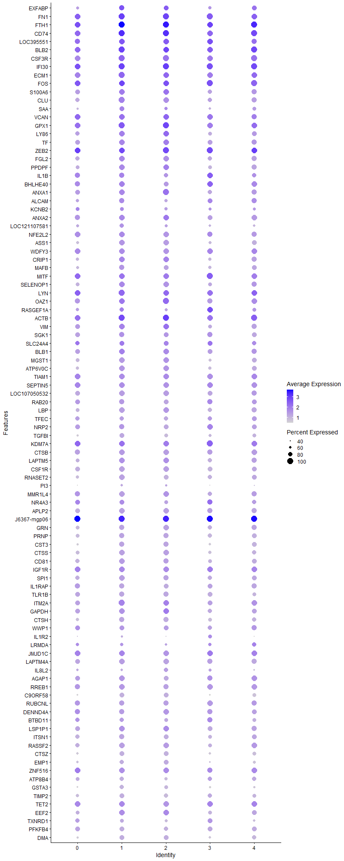
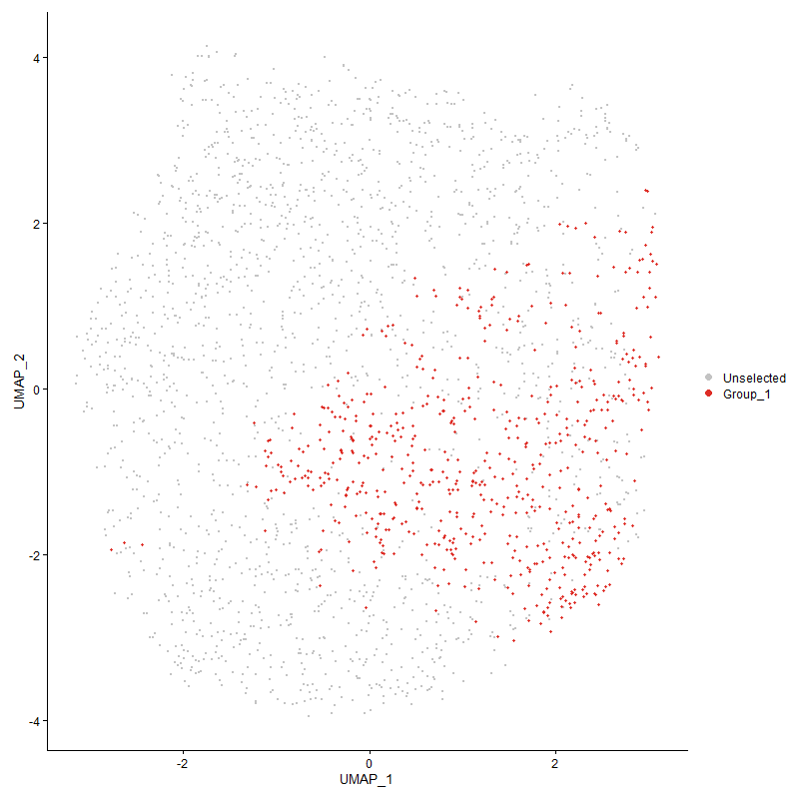
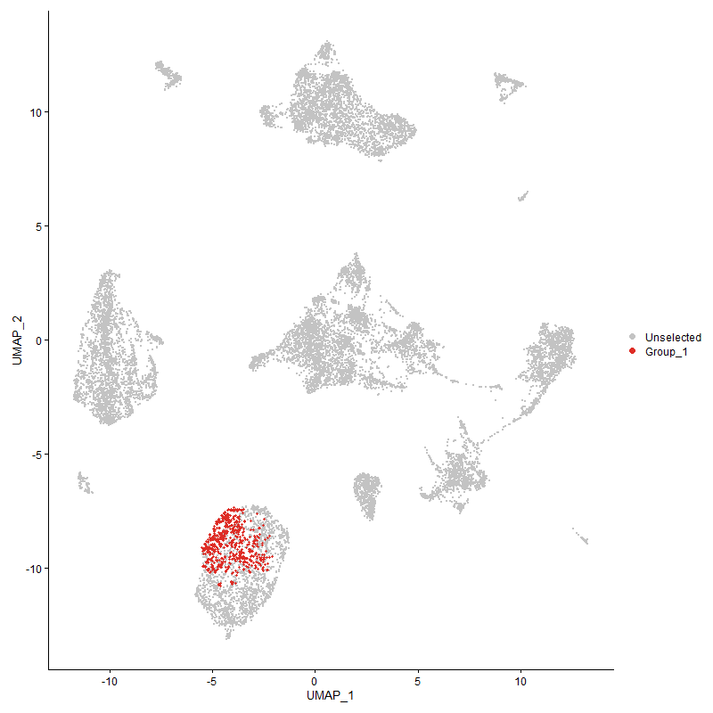
 | p_val | avg_log2FC | pct.1 | pct.2 | p_val_adj | cluster | gene
EXFABP1 | 0 | 2.7419763927 | 0.881 | 0.098 | 0 | 1 | EXFABP
FN11 | 0 | 2.7385947337 | 1 | 0.129 | 0 | 1 | FN1
FTH11 | 0 | 2.5791252576 | 1 | 0.584 | 0 | 1 | FTH1
CD741 | 0 | 2.288781795 | 1 | 0.354 | 0 | 1 | CD74
LOC3955511 | 0 | 2.2844222064 | 0.987 | 0.17 | 0 | 1 | LOC395551
BLB21 | 0 | 2.2806577558 | 1 | 0.311 | 0 | 1 | BLB2
CSF3R1 | 0 | 2.272747919 | 1 | 0.144 | 0 | 1 | CSF3R
IFI301 | 0 | 2.1097216081 | 1 | 0.464 | 0 | 1 | IFI30
ECM11 | 0 | 2.0155803286 | 1 | 0.173 | 0 | 1 | ECM1
FOS1 | 0 | 1.9854584102 | 0.995 | 0.541 | 0 | 1 | FOS
S100A61 | 0 | 1.9522410154 | 0.967 | 0.111 | 0 | 1 | S100A6
CLU1 | 0 | 1.9179657939 | 0.995 | 0.133 | 0 | 1 | CLU
SAA1 | 0 | 1.8932837664 | 0.805 | 0.079 | 0 | 1 | SAA
VCAN1 | 0 | 1.8792052471 | 0.977 | 0.114 | 0 | 1 | VCAN
GPX11 | 0 | 1.8776453067 | 1 | 0.43 | 0 | 1 | GPX1
LY861 | 0 | 1.8177607519 | 0.968 | 0.1 | 0 | 1 | LY86
TF1 | 0 | 1.7251002431 | 0.993 | 0.11 | 0 | 1 | TF
ZEB21 | 0 | 1.7025402214 | 0.998 | 0.271 | 0 | 1 | ZEB2
FGL21 | 0 | 1.6995461048 | 0.98 | 0.156 | 0 | 1 | FGL2
PPDPF1 | 0 | 1.6734841303 | 0.98 | 0.112 | 0 | 1 | PPDPF
IL1B1 | 0 | 1.6535953538 | 0.875 | 0.118 | 0 | 1 | IL1B
BHLHE401 | 0 | 1.6346706992 | 0.92 | 0.171 | 0 | 1 | BHLHE40
ANXA12 | 0 | 1.6274377037 | 0.962 | 0.115 | 0 | 1 | ANXA1
ALCAM1 | 0 | 1.61652708 | 0.858 | 0.11 | 0 | 1 | ALCAM
KCNB21 | 0 | 1.6155768668 | 0.726 | 0.074 | 0 | 1 | KCNB2
ANXA21 | 0 | 1.5874174265 | 0.97 | 0.152 | 0 | 1 | ANXA2
LOC1211075811 | 0 | 1.5829913334 | 0.715 | 0.073 | 0 | 1 | LOC121107581
NFE2L21 | 0 | 1.5540520463 | 0.967 | 0.153 | 0 | 1 | NFE2L2
ASS11 | 0 | 1.5471278676 | 0.953 | 0.082 | 0 | 1 | ASS1
WDFY31 | 0 | 1.5343814361 | 0.972 | 0.11 | 0 | 1 | WDFY3
CRIP11 | 0 | 1.5301541462 | 0.95 | 0.266 | 0 | 1 | CRIP1
MAFB1 | 0 | 1.5191352604 | 0.883 | 0.079 | 0 | 1 | MAFB
MITF1 | 0 | 1.5165368214 | 0.958 | 0.258 | 0 | 1 | MITF
SELENOP11 | 0 | 1.4908515825 | 0.96 | 0.258 | 0 | 1 | SELENOP1
LYN1 | 0 | 1.4891994563 | 0.998 | 0.33 | 0 | 1 | LYN
OAZ11 | 0 | 1.4750996065 | 0.988 | 0.444 | 0 | 1 | OAZ1
RASGEF1A1 | 5.249973831E-189 | 1.4726826669 | 0.743 | 0.254 | 8.0172350373E-185 | 1 | RASGEF1A
ACTB1 | 1.0071271609E-251 | 1.4527112487 | 0.998 | 0.677 | 1.5379838874E-247 | 1 | ACTB
VIM1 | 0 | 1.4470855451 | 0.942 | 0.299 | 0 | 1 | VIM
SGK11 | 0 | 1.4406551753 | 0.863 | 0.127 | 0 | 1 | SGK1
SLC24A41 | 1.6283855672E-189 | 1.4127373147 | 0.78 | 0.277 | 2.4867075997E-185 | 1 | SLC24A4
BLB11 | 0 | 1.3938681522 | 0.968 | 0.272 | 0 | 1 | BLB1
MGST11 | 0 | 1.3805145978 | 0.933 | 0.098 | 0 | 1 | MGST1
ATP6V0C1 | 0 | 1.3339573462 | 0.933 | 0.169 | 0 | 1 | ATP6V0C
TIAM11 | 0 | 1.320744959 | 0.955 | 0.198 | 0 | 1 | TIAM1
SEPTIN51 | 0 | 1.3192542555 | 0.972 | 0.205 | 0 | 1 | SEPTIN5
LOC1070505321 | 0 | 1.2769560013 | 0.942 | 0.117 | 0 | 1 | LOC107050532
RAB201 | 0 | 1.269776032 | 0.878 | 0.115 | 0 | 1 | RAB20
LBP1 | 0 | 1.2672396879 | 0.87 | 0.1 | 0 | 1 | LBP
TFEC1 | 0 | 1.2599614807 | 0.715 | 0.085 | 0 | 1 | TFEC
NRP21 | 0 | 1.2546295439 | 0.89 | 0.176 | 0 | 1 | NRP2
TGFBI1 | 0 | 1.226413972 | 0.791 | 0.061 | 0 | 1 | TGFBI
KDM7A1 | 4.06950161E-222 | 1.2262682037 | 0.987 | 0.527 | 6.2145359087E-218 | 1 | KDM7A
CTSB1 | 0 | 1.2237058934 | 0.927 | 0.17 | 0 | 1 | CTSB
LAPTM51 | 0 | 1.2145950411 | 0.96 | 0.315 | 0 | 1 | LAPTM5
CSF1R1 | 0 | 1.2056014282 | 0.9 | 0.097 | 0 | 1 | CSF1R
RNASET21 | 0 | 1.2043762902 | 0.91 | 0.137 | 0 | 1 | RNASET2
PI31 | 0 | 1.1952566603 | 0.514 | 0.05 | 0 | 1 | PI3
MMR1L41 | 0 | 1.1949055217 | 0.876 | 0.1 | 0 | 1 | MMR1L4
NR4A31 | 4.0746009525E-272 | 1.1936755911 | 0.823 | 0.215 | 6.2223231145E-268 | 1 | NR4A3
APLP21 | 0 | 1.1773262502 | 0.922 | 0.152 | 0 | 1 | APLP2
J6367-mgp061 | 2.7556963532E-238 | 1.169198568 | 1 | 0.974 | 4.2082239009E-234 | 1 | J6367-mgp06
GRN1 | 0 | 1.1661079248 | 0.886 | 0.126 | 0 | 1 | GRN
PRNP1 | 0 | 1.159707133 | 0.863 | 0.136 | 0 | 1 | PRNP
CST31 | 0 | 1.1566124215 | 0.861 | 0.144 | 0 | 1 | CST3
CTSS1 | 0 | 1.1533437911 | 0.923 | 0.186 | 0 | 1 | CTSS
CD811 | 0 | 1.1238238833 | 0.923 | 0.239 | 0 | 1 | CD81
IGF1R1 | 1.6343837123E-243 | 1.1064626007 | 0.948 | 0.334 | 2.495867367E-239 | 1 | IGF1R
SPI11 | 0 | 1.1061435012 | 0.903 | 0.18 | 0 | 1 | SPI1
IL1RAP1 | 0 | 1.0938542788 | 0.865 | 0.112 | 0 | 1 | IL1RAP
TLR1B1 | 0 | 1.0920302126 | 0.846 | 0.12 | 0 | 1 | TLR1B
ITM2A1 | 2.2876616119E-247 | 1.0879588782 | 0.983 | 0.49 | 3.4934880475E-243 | 1 | ITM2A
GAPDH1 | 7.001418533E-265 | 1.0851632059 | 0.915 | 0.315 | 1.0691866242E-260 | 1 | GAPDH
CTSH1 | 0 | 1.0813319307 | 0.86 | 0.184 | 0 | 1 | CTSH
WWP11 | 2.0445789106E-213 | 1.0776603322 | 0.786 | 0.246 | 3.1222764543E-209 | 1 | WWP1
IL1R21 | 0 | 1.0736448489 | 0.457 | 0.043 | 0 | 1 | IL1R2
LRMDA1 | 7.5804134127E-239 | 1.0720133097 | 0.649 | 0.14 | 1.1576049322E-234 | 1 | LRMDA
JMJD1C1 | 4.0086198679E-214 | 1.0574078445 | 0.973 | 0.491 | 6.1215634002E-210 | 1 | JMJD1C
LAPTM4A1 | 0 | 1.0556313781 | 0.903 | 0.259 | 0 | 1 | LAPTM4A
IL8L21 | 0 | 1.0492918291 | 0.509 | 0.07 | 0 | 1 | IL8L2
AGAP11 | 1.1102587138E-276 | 1.0488113089 | 0.912 | 0.273 | 1.6954760818E-272 | 1 | AGAP1
RREB11 | 4.1656400266E-265 | 1.0475413844 | 0.902 | 0.287 | 6.3613488846E-261 | 1 | RREB1
C9ORF581 | 0 | 1.0375585864 | 0.766 | 0.065 | 0 | 1 | C9ORF58
RUBCNL1 | 0 | 1.0338393505 | 0.851 | 0.207 | 0 | 1 | RUBCNL
DENND4A1 | 0 | 1.0300965109 | 0.876 | 0.212 | 0 | 1 | DENND4A
BTBD111 | 2.4822259192E-253 | 1.0248344004 | 0.741 | 0.181 | 3.7906072012E-249 | 1 | BTBD11
LSP1P11 | 4.6730605674E-254 | 1.017567766 | 0.955 | 0.399 | 7.1362307924E-250 | 1 | LSP1P1
ITSN11 | 0 | 1.0170696237 | 0.84 | 0.177 | 0 | 1 | ITSN1
RASSF21 | 2.9444435893E-292 | 1.0125549762 | 0.883 | 0.253 | 4.4964598053E-288 | 1 | RASSF2
CTSZ1 | 0 | 1.0100412689 | 0.783 | 0.094 | 0 | 1 | CTSZ
EMP11 | 0 | 1.0052878458 | 0.674 | 0.092 | 0 | 1 | EMP1
ZNF5161 | 1.778821193E-257 | 1.0003155717 | 0.907 | 0.25 | 2.7164378438E-253 | 1 | ZNF516
ATP8B41 | 0 | 0.99762226002 | 0.701 | 0.077 | 0 | 1 | ATP8B4
GSTA31 | 0 | 0.9946100712 | 0.689 | 0.054 | 0 | 1 | GSTA3
TIMP21 | 0 | 0.98348898163 | 0.775 | 0.107 | 0 | 1 | TIMP2
TET21 | 1.6385036042E-179 | 0.98217826795 | 0.928 | 0.426 | 2.5021588539E-175 | 1 | TET2
EEF2 | 1.8183366686E-204 | 0.98178382688 | 0.952 | 0.449 | 2.7767819266E-200 | 1 | EEF2
TXNRD11 | 0 | 0.98095393835 | 0.653 | 0.108 | 0 | 1 | TXNRD1
PFKFB41 | 0 | 0.9785376904 | 0.763 | 0.103 | 0 | 1 | PFKFB4
DMA1 | 0 | 0.96453164849 | 0.796 | 0.139 | 0 | 1 | DMA
LOC1017506351 | 0 | 0.96178030938 | 0.766 | 0.102 | 0 | 1 | LOC101750635
ABCA91 | 0 | 0.94835547273 | 0.733 | 0.077 | 0 | 1 | ABCA9
GAS71 | 0 | 0.94226381586 | 0.768 | 0.125 | 0 | 1 | GAS7
MAMLD11 | 2.7811198873E-185 | 0.93983244761 | 0.87 | 0.323 | 4.2470481799E-181 | 1 | MAMLD1
FGD41 | 0 | 0.9324839067 | 0.594 | 0.098 | 0 | 1 | FGD4
HMOX11 | 0 | 0.92931734917 | 0.574 | 0.064 | 0 | 1 | HMOX1
CHD71 | 2.4677997389E-174 | 0.91972018942 | 0.92 | 0.412 | 3.7685769813E-170 | 1 | CHD7
LGMN1 | 3.0519725588E-306 | 0.91746891665 | 0.81 | 0.193 | 4.6606672946E-302 | 1 | LGMN
BF21 | 1.4374888578E-192 | 0.91627695121 | 0.997 | 0.691 | 2.1951892347E-188 | 1 | BF2
TNS11 | 0 | 0.90845629236 | 0.753 | 0.076 | 0 | 1 | TNS1
CD831 | 2.9272309586E-141 | 0.90141286666 | 0.644 | 0.221 | 4.4701743969E-137 | 1 | CD83
SORBS11 | 0 | 0.89854756674 | 0.698 | 0.082 | 0 | 1 | SORBS1
GBE11 | 9.3862147255E-191 | 0.89480219379 | 0.758 | 0.228 | 1.4333688507E-186 | 1 | GBE1
SLC8A11 | 0 | 0.89413701774 | 0.679 | 0.074 | 0 | 1 | SLC8A1
TPP11 | 0 | 0.89297536519 | 0.828 | 0.178 | 0 | 1 | TPP1
AVD1 | 0 | 0.89243506921 | 0.391 | 0.039 | 0 | 1 | AVD
MPEG11 | 0 | 0.88619207796 | 0.71 | 0.069 | 0 | 1 | MPEG1
TRIO1 | 1.3726608833E-147 | 0.88488853957 | 0.923 | 0.421 | 2.0961904349E-143 | 1 | TRIO
LDHA1 | 0 | 0.87230065018 | 0.761 | 0.114 | 0 | 1 | LDHA
MYOF1 | 0 | 0.86706207115 | 0.638 | 0.073 | 0 | 1 | MYOF
AHR1A1 | 1.5196022321E-252 | 0.8667795099 | 0.783 | 0.2 | 2.3205845687E-248 | 1 | AHR1A
RSFR1 | 0 | 0.86516108393 | 0.631 | 0.058 | 0 | 1 | RSFR
PITPNA1 | 3.2164220925E-222 | 0.86298935299 | 0.821 | 0.253 | 4.9117981775E-218 | 1 | PITPNA
GSL1 | 0 | 0.8598095998 | 0.725 | 0.071 | 0 | 1 | GSL
PIK3R51 | 1.4820630169E-204 | 0.85603095423 | 0.871 | 0.322 | 2.2632584331E-200 | 1 | PIK3R5
ANKRD13A1 | 3.1168210982E-293 | 0.85336506569 | 0.778 | 0.182 | 4.7596974991E-289 | 1 | ANKRD13A
CALM2 | 4.0751386324E-202 | 0.85158796985 | 0.898 | 0.351 | 6.2231442056E-198 | 1 | CALM2
LAMP11 | 0 | 0.8483467504 | 0.801 | 0.164 | 0 | 1 | LAMP1
MARCH81 | 8.6518323387E-172 | 0.8457285728 | 0.933 | 0.394 | 1.3212213164E-167 | 1 | MARCH8
CAMK1D1 | 5.9214013475E-128 | 0.84402305032 | 0.902 | 0.455 | 9.0425719978E-124 | 1 | CAMK1D
ATRN1 | 8.5210883005E-184 | 0.84400005865 | 0.967 | 0.451 | 1.3012553944E-179 | 1 | ATRN
CTSC1 | 2.7412731759E-280 | 0.84385361022 | 0.803 | 0.203 | 4.186198267E-276 | 1 | CTSC
LGALS1A1 | 0 | 0.84194009336 | 0.654 | 0.071 | 0 | 1 | LGALS1A
ANTXR21 | 5.217382173E-126 | 0.84033600046 | 0.861 | 0.424 | 7.9674643164E-122 | 1 | ANTXR2
TXN1 | 0 | 0.8400076921 | 0.733 | 0.108 | 0 | 1 | TXN
FNDC3B1 | 6.9212797413E-304 | 0.83756658706 | 0.735 | 0.15 | 1.0569486293E-299 | 1 | FNDC3B
PSAP1 | 0 | 0.8358151831 | 0.703 | 0.114 | 0 | 1 | PSAP
LCP11 | 1.2618100595E-190 | 0.83403335459 | 0.886 | 0.367 | 1.9269101419E-186 | 1 | LCP1
FNIP11 | 7.8965545543E-170 | 0.82417630154 | 0.761 | 0.262 | 1.205882846E-165 | 1 | FNIP1
SLC2A91 | 0 | 0.8215496995 | 0.541 | 0.052 | 0 | 1 | SLC2A9
CD991 | 0 | 0.82130205637 | 0.664 | 0.073 | 0 | 1 | CD99
FAP1 | 0 | 0.80409834961 | 0.596 | 0.065 | 0 | 1 | FAP
NPC21 | 0 | 0.79933612677 | 0.659 | 0.083 | 0 | 1 | NPC2
LOC4204191 | 3.2470089427E-264 | 0.79871098105 | 0.688 | 0.15 | 4.9585073564E-260 | 1 | LOC420419
PLSCR11 | 0 | 0.79673522312 | 0.631 | 0.098 | 0 | 1 | PLSCR1
SMAP21 | 3.3998042602E-224 | 0.79613224794 | 0.865 | 0.29 | 5.1918410858E-220 | 1 | SMAP2
PTPN21 | 6.1476115766E-152 | 0.79453604986 | 0.87 | 0.386 | 9.3880176387E-148 | 1 | PTPN2
EGR11 | 2.2114931776E-261 | 0.79143287173 | 0.654 | 0.136 | 3.3771712316E-257 | 1 | EGR1
USP61 | 2.0228943006E-150 | 0.78897409596 | 0.825 | 0.344 | 3.0891618864E-146 | 1 | USP6
RHOA | 6.3061946314E-176 | 0.78610924645 | 0.917 | 0.409 | 9.6301898216E-172 | 1 | RHOA
PABPC11 | 1.3167970093E-150 | 0.78483545666 | 0.992 | 0.665 | 2.0108807129E-146 | 1 | PABPC1
TLR2A1 | 0 | 0.78208962372 | 0.663 | 0.063 | 0 | 1 | TLR2A
EFHD11 | 0 | 0.77518572756 | 0.678 | 0.113 | 0 | 1 | EFHD1
KCTD121 | 0 | 0.77146640102 | 0.611 | 0.071 | 0 | 1 | KCTD12
SDCBP1 | 0 | 0.76884575627 | 0.713 | 0.139 | 0 | 1 | SDCBP
PLXNA11 | 0 | 0.76664075266 | 0.534 | 0.065 | 0 | 1 | PLXNA1
FRY1 | 1.1836065923E-202 | 0.7626302704 | 0.78 | 0.228 | 1.8074856271E-198 | 1 | FRY
CCR51 | 0 | 0.75166789468 | 0.611 | 0.066 | 0 | 1 | CCR5
MAML21 | 2.9772893145E-192 | 0.74814714368 | 0.696 | 0.188 | 4.5466185122E-188 | 1 | MAML2
MAFF1 | 0 | 0.74176636121 | 0.619 | 0.076 | 0 | 1 | MAFF
DMB21 | 1.3383073007E-305 | 0.74118162957 | 0.643 | 0.118 | 2.0437290789E-301 | 1 | DMB2
HTR1F1 | 2.0119639973E-242 | 0.73926964568 | 0.509 | 0.089 | 3.0724702203E-238 | 1 | HTR1F
S100A121 | 7.4659800431E-214 | 0.73890989635 | 0.494 | 0.09 | 1.1401298124E-209 | 1 | S100A12
TPT1 | 2.7653590854E-134 | 0.73854330508 | 0.957 | 0.555 | 4.2229798593E-130 | 1 | TPT1
IL181 | 8.4356347262E-214 | 0.73546101783 | 0.568 | 0.121 | 1.288205779E-209 | 1 | IL18
TNFRSF211 | 1.1570087529E-204 | 0.73311894832 | 0.791 | 0.247 | 1.7668680666E-200 | 1 | TNFRSF21
PNRC1 | 1.6263345792E-126 | 0.7295348749 | 0.988 | 0.675 | 2.4835755359E-122 | 1 | PNRC1
LTA4H1 | 2.3488684853E-226 | 0.72878831838 | 0.584 | 0.128 | 3.5869570639E-222 | 1 | LTA4H
PPARG1 | 3.7304027755E-261 | 0.72827817999 | 0.427 | 0.058 | 5.6966980784E-257 | 1 | PPARG
PLA2R11 | 0 | 0.72796130887 | 0.583 | 0.079 | 0 | 1 | PLA2R1
RACK1 | 1.0447739382E-124 | 0.72539697212 | 0.932 | 0.503 | 1.595474281E-120 | 1 | RACK1
AHRR1 | 0 | 0.72460762117 | 0.466 | 0.057 | 0 | 1 | AHRR
BCL61 | 2.9878891275E-194 | 0.72005139669 | 0.626 | 0.162 | 4.5628054867E-190 | 1 | BCL6
DSTN1 | 9.2391309616E-136 | 0.7198458635 | 0.973 | 0.65 | 1.4109076891E-131 | 1 | DSTN
SLC16A71 | 0 | 0.71655006151 | 0.456 | 0.037 | 0 | 1 | SLC16A7
LOC1070509551 | 1.4400990369E-217 | 0.71554853671 | 0.693 | 0.184 | 2.1991752392E-213 | 1 | LOC107050955
DUSP11 | 8.09311233E-108 | 0.71519524913 | 0.755 | 0.355 | 1.2358991839E-103 | 1 | DUSP1
LRP11 | 0 | 0.71310953657 | 0.653 | 0.076 | 0 | 1 | LRP1
PLXNC11 | 1.4232159165E-169 | 0.71280886621 | 0.908 | 0.347 | 2.1733930261E-165 | 1 | PLXNC1
DCLK31 | 0 | 0.70920112551 | 0.529 | 0.052 | 0 | 1 | DCLK3
ANGPT11 | 0 | 0.70721167902 | 0.566 | 0.079 | 0 | 1 | ANGPT1
ENO1 | 3.4413128036E-165 | 0.70490456208 | 0.84 | 0.336 | 5.2552287824E-161 | 1 | ENO1
AP1S21 | 3.5277745936E-306 | 0.70222122042 | 0.673 | 0.126 | 5.3872645819E-302 | 1 | AP1S2
SRGAP21 | 0 | 0.70096353135 | 0.654 | 0.113 | 0 | 1 | SRGAP2
ARL4C1 | 0 | 0.69082029817 | 0.613 | 0.066 | 0 | 1 | ARL4C
PRDX11 | 1.9424815376E-200 | 0.68746596707 | 0.684 | 0.189 | 2.966363556E-196 | 1 | PRDX1
PRCP | 0 | 0.68421123587 | 0.589 | 0.084 | 0 | 1 | PRCP
AZIN11 | 4.2721518318E-238 | 0.68219438775 | 0.705 | 0.169 | 6.5240030624E-234 | 1 | AZIN1
PTPRN21 | 1.0279395281E-282 | 0.68048506273 | 0.319 | 0.029 | 1.5697664533E-278 | 1 | PTPRN2
CLIC21 | 1.4942188393E-169 | 0.67309141384 | 0.813 | 0.299 | 2.2818215895E-165 | 1 | CLIC2
ELL1 | 4.4457234796E-173 | 0.67216959027 | 0.708 | 0.225 | 6.7890643256E-169 | 1 | ELL
RAB7A1 | 5.1216885395E-186 | 0.67194787823 | 0.733 | 0.223 | 7.8213305687E-182 | 1 | RAB7A
SKAP21 | 2.388299887E-131 | 0.66977739443 | 0.843 | 0.347 | 3.6471727575E-127 | 1 | SKAP2
BCAT11 | 9.6036739818E-100 | 0.66418948953 | 0.825 | 0.409 | 1.4665770538E-95 | 1 | BCAT1
HMGB1 | 4.5003705187E-130 | 0.66418652629 | 0.928 | 0.489 | 6.8725158192E-126 | 1 | HMGB1
TPPP3 | 0 | 0.66009994417 | 0.377 | 0.017 | 0 | 1 | TPPP3
SLC1A61 | 0 | 0.6591253751 | 0.558 | 0.05 | 0 | 1 | SLC1A6
SAT11 | 3.0897811943E-152 | 0.65764333933 | 0.79 | 0.291 | 4.7184048618E-148 | 1 | SAT1
CADM11 | 0 | 0.65697526229 | 0.399 | 0.04 | 0 | 1 | CADM1
KIAA09301 | 4.8844303348E-205 | 0.6562694771 | 0.553 | 0.121 | 7.4590135642E-201 | 1 | KIAA0930
EEF1D | 3.6812061864E-134 | 0.65614442962 | 0.83 | 0.362 | 5.6215699672E-130 | 1 | EEF1D
RASGRP11 | 5.4643864131E-91 | 0.65545253357 | 0.793 | 0.415 | 8.3446644915E-87 | 1 | RASGRP1
SELP | 3.0996932227E-140 | 0.65456195723 | 0.925 | 0.433 | 4.7335415204E-136 | 1 | SELP
EPN21 | 4.2479080696E-137 | 0.65400526667 | 0.786 | 0.312 | 6.486980413E-133 | 1 | EPN2
CAST1 | 5.6600569799E-199 | 0.6528830711 | 0.668 | 0.176 | 8.643473014E-195 | 1 | CAST
FCER1G1 | 0 | 0.65184553829 | 0.596 | 0.073 | 0 | 1 | FCER1G
LOC4268201 | 0 | 0.65175158772 | 0.544 | 0.043 | 0 | 1 | LOC426820
MXD11 | 6.659213069E-288 | 0.65125618296 | 0.609 | 0.109 | 1.0169284278E-283 | 1 | MXD1
IPCEF11 | 4.3473451496E-133 | 0.64946745517 | 0.733 | 0.256 | 6.6388307779E-129 | 1 | IPCEF1
NHSL11 | 1.2923409028E-169 | 0.64937576255 | 0.372 | 0.066 | 1.9735337927E-165 | 1 | NHSL1
PTPN61 | 8.4735334354E-199 | 0.64632299144 | 0.698 | 0.193 | 1.2939932909E-194 | 1 | PTPN6
CTSA1 | 0 | 0.64511839106 | 0.584 | 0.071 | 0 | 1 | CTSA
MXI11 | 1.8472813332E-120 | 0.64409666685 | 0.421 | 0.111 | 2.8209833239E-116 | 1 | MXI1
BTG21 | 1.2440763824E-124 | 0.64279733232 | 0.803 | 0.345 | 1.8998290435E-120 | 1 | BTG2
AES1 | 0 | 0.64216339955 | 0.561 | 0.066 | 0 | 1 | AES
MECR1 | 0 | 0.64175263108 | 0.588 | 0.085 | 0 | 1 | MECR
RAB1B1 | 3.3340434486E-161 | 0.64130828966 | 0.815 | 0.313 | 5.0914177503E-157 | 1 | RAB1B
ITGAD1 | 2.2571229726E-207 | 0.63991800646 | 0.705 | 0.183 | 3.4468524915E-203 | 1 | ITGAD
ARF6 | 6.5087475893E-141 | 0.63961382591 | 0.836 | 0.353 | 9.9395084437E-137 | 1 | ARF6
TALDO11 | 0 | 0.6395393711 | 0.623 | 0.106 | 0 | 1 | TALDO1
LRP51 | 0 | 0.63911198712 | 0.523 | 0.071 | 0 | 1 | LRP5
TPM31 | 1.1248082261E-135 | 0.63843068471 | 0.91 | 0.445 | 1.7176946421E-131 | 1 | TPM3
RPL4 | 3.0167707118E-95 | 0.63796095457 | 0.947 | 0.605 | 4.606910554E-91 | 1 | RPL4
APP1 | 1.5365990713E-161 | 0.63657270035 | 0.808 | 0.273 | 2.3465404417E-157 | 1 | APP
ANXA111 | 6.2192614248E-174 | 0.63649948431 | 0.806 | 0.279 | 9.4974341219E-170 | 1 | ANXA11
RAP1A | 9.3833724853E-135 | 0.63351806326 | 0.858 | 0.39 | 1.4329348122E-130 | 1 | RAP1A
J6367-mgp071 | 2.400168013E-136 | 0.63201517855 | 1 | 1 | 3.6652965726E-132 | 1 | J6367-mgp07
CD631 | 1.1370063508E-152 | 0.63043603052 | 0.828 | 0.319 | 1.7363223983E-148 | 1 | CD63
TAX1BP11 | 1.8936488432E-126 | 0.63011297089 | 0.791 | 0.335 | 2.8917911484E-122 | 1 | TAX1BP1
SPSB11 | 1.9662177104E-172 | 0.6287148151 | 0.641 | 0.181 | 3.0026110655E-168 | 1 | SPSB1
NEK61 | 2.340225045E-170 | 0.62831797841 | 0.686 | 0.208 | 3.5737576662E-166 | 1 | NEK6
NFKBIA | 4.6635374838E-86 | 0.62811560183 | 0.952 | 0.655 | 7.1216880916E-82 | 1 | NFKBIA
NET11 | 0 | 0.62782290291 | 0.533 | 0.071 | 0 | 1 | NET1
FABP31 | 0 | 0.6277481163 | 0.499 | 0.05 | 0 | 1 | FABP3
PID11 | 0 | 0.62675891582 | 0.501 | 0.053 | 0 | 1 | PID1
GNAI21 | 1.0160014003E-146 | 0.62466783893 | 0.848 | 0.35 | 1.5515357384E-142 | 1 | GNAI2
PARD31 | 1.855674754E-291 | 0.6236284926 | 0.437 | 0.054 | 2.8338009168E-287 | 1 | PARD3
GNAI31 | 8.243321023E-195 | 0.62314005787 | 0.681 | 0.187 | 1.2588375534E-190 | 1 | GNAI3
ITGAV1 | 9.3492330159E-195 | 0.62139401731 | 0.765 | 0.222 | 1.4277213739E-190 | 1 | ITGAV
BACH11 | 6.8687972508E-197 | 0.62139196871 | 0.621 | 0.153 | 1.0489340282E-192 | 1 | BACH1
J6367-mgp041 | 7.5480227224E-122 | 0.62077088222 | 1 | 0.974 | 1.1526585499E-117 | 1 | J6367-mgp04
FOSL21 | 2.1019539111E-162 | 0.61957752447 | 0.664 | 0.199 | 3.2098938176E-158 | 1 | FOSL2
RASGEF1B1 | 0 | 0.61840145445 | 0.479 | 0.057 | 0 | 1 | RASGEF1B
GINM11 | 2.6195856459E-264 | 0.61628083491 | 0.578 | 0.106 | 4.0003692399E-260 | 1 | GINM1
MARK11 | 4.1323604492E-226 | 0.61501751352 | 0.574 | 0.117 | 6.3105276419E-222 | 1 | MARK1
S100A11 | 8.7319745087E-232 | 0.61323514655 | 0.631 | 0.138 | 1.3334598272E-227 | 1 | S100A11
RPS6KA31 | 1.4329542824E-94 | 0.60581481916 | 0.88 | 0.481 | 2.1882644847E-90 | 1 | RPS6KA3
RPL37A | 1.7665078279E-102 | 0.60395979288 | 0.982 | 0.632 | 2.697634104E-98 | 1 | RPL37A
SLC16A31 | 7.7959141799E-204 | 0.60351210244 | 0.471 | 0.087 | 1.1905140544E-199 | 1 | SLC16A3
SH3BGRL3 | 1.382887777E-133 | 0.60297541885 | 0.674 | 0.242 | 2.1118079243E-129 | 1 | SH3BGRL3
TNIP21 | 9.5922243687E-96 | 0.6028195538 | 0.479 | 0.158 | 1.4648285833E-91 | 1 | TNIP2
GGH1 | 7.5996014633E-254 | 0.60205236886 | 0.543 | 0.098 | 1.1605351395E-249 | 1 | GGH
HIVEP31 | 1.7570847311E-102 | 0.59912707392 | 0.721 | 0.312 | 2.6832440929E-98 | 1 | HIVEP3
J6367-mgp031 | 5.2985784478E-120 | 0.59906396508 | 1 | 0.988 | 8.0914591477E-116 | 1 | J6367-mgp03
C1QC | 0 | 0.5989259416 | 0.459 | 0.035 | 0 | 1 | C1QC
C5H14orf4 | 1.2034628258E-302 | 0.59829822963 | 0.513 | 0.074 | 1.8378080813E-298 | 1 | C5H14orf4
PDE4B1 | 1.2502938359E-120 | 0.59733762218 | 0.644 | 0.238 | 1.9093237168E-116 | 1 | PDE4B
MS4A4A1 | 0 | 0.59675424266 | 0.499 | 0.047 | 0 | 1 | MS4A4A
SPECC11 | 1.1729696856E-250 | 0.59591242977 | 0.482 | 0.077 | 1.7912420069E-246 | 1 | SPECC1
IL6R1 | 0 | 0.59578554892 | 0.529 | 0.057 | 0 | 1 | IL6R
CPEB21 | 1.00184189E-103 | 0.59070981018 | 0.497 | 0.161 | 1.5299127502E-99 | 1 | CPEB2
ACSL11 | 1.8653096988E-256 | 0.58846560751 | 0.387 | 0.048 | 2.848514441E-252 | 1 | ACSL1
CD471 | 2.3947817077E-89 | 0.58767257708 | 0.948 | 0.612 | 3.6570711459E-85 | 1 | CD47
CD881 | 6.1823874247E-248 | 0.5875062765 | 0.494 | 0.081 | 9.4411238362E-244 | 1 | CD88
J6367-mgp111 | 5.0109742977E-130 | 0.58554554975 | 1 | 1 | 7.6522588501E-126 | 1 | J6367-mgp11
ATP6AP11 | 1.0553386142E-150 | 0.58280980885 | 0.728 | 0.242 | 1.6116075978E-146 | 1 | ATP6AP1
CREM1 | 1.8110711066E-171 | 0.58140321012 | 0.586 | 0.153 | 2.7656866869E-167 | 1 | CREM
DOCK41 | 0 | 0.57941243131 | 0.429 | 0.048 | 0 | 1 | DOCK4
HIVEP11 | 7.9065821986E-81 | 0.57926211135 | 0.763 | 0.389 | 1.2074141676E-76 | 1 | HIVEP1
PKLR1 | 9.3957082744E-182 | 0.57784917914 | 0.661 | 0.183 | 1.4348186106E-177 | 1 | PKLR
CCR21 | 0 | 0.57477932108 | 0.486 | 0.056 | 0 | 1 | CCR2
SIPA1L21 | 3.5139674026E-215 | 0.57120647054 | 0.464 | 0.08 | 5.3661796205E-211 | 1 | SIPA1L2
ATP6V1E11 | 3.0831677099E-247 | 0.56993861483 | 0.541 | 0.098 | 4.7083054097E-243 | 1 | ATP6V1E1
ZDHHC141 | 1.0522974889E-113 | 0.56843392019 | 0.691 | 0.26 | 1.6069634953E-109 | 1 | ZDHHC14
PLEKHO21 | 1.1866592251E-192 | 0.56777951044 | 0.593 | 0.143 | 1.8121473027E-188 | 1 | PLEKHO2
SLC25A6 | 1.1871005332E-141 | 0.565483566 | 0.678 | 0.23 | 1.8128212243E-137 | 1 | SLC25A6
SH3BGRL1 | 2.4443588125E-88 | 0.56294553439 | 0.895 | 0.542 | 3.7327803425E-84 | 1 | SH3BGRL
SERTAD21 | 1.0673776638E-86 | 0.56163231311 | 0.745 | 0.357 | 1.6299924303E-82 | 1 | SERTAD2
PMEPA11 | 1.5342853138E-232 | 0.55817747241 | 0.392 | 0.055 | 2.3430071027E-228 | 1 | PMEPA1
BMP2K1 | 1.9399359319E-73 | 0.55681349261 | 0.907 | 0.561 | 2.9624761616E-69 | 1 | BMP2K
GADD45B1 | 7.512316131E-224 | 0.5557587249 | 0.541 | 0.105 | 1.1472057964E-219 | 1 | GADD45B
ZNFX11 | 5.8066683209E-98 | 0.55373375655 | 0.723 | 0.317 | 8.8673631929E-94 | 1 | ZNFX1
UBA52 | 3.9792735669E-108 | 0.54893753195 | 0.891 | 0.441 | 6.0767486641E-104 | 1 | UBA52
BRI31 | 9.3857628097E-199 | 0.54738446351 | 0.544 | 0.119 | 1.4332998387E-194 | 1 | BRI3
TIPARP1 | 2.6139865149E-92 | 0.54681397161 | 0.689 | 0.31 | 3.9918188068E-88 | 1 | TIPARP
MEF2D1 | 6.4230751046E-100 | 0.5455990984 | 0.768 | 0.353 | 9.8086779923E-96 | 1 | MEF2D
CHST131 | 5.1461866318E-262 | 0.54480178067 | 0.461 | 0.067 | 7.8587416054E-258 | 1 | CHST13
ASAH11 | 5.0690998339E-260 | 0.54342122158 | 0.513 | 0.084 | 7.7410223564E-256 | 1 | ASAH1
GPAT31 | 4.0859107064E-206 | 0.54311883844 | 0.491 | 0.094 | 6.2395942397E-202 | 1 | GPAT3
LOC1008578831 | 0 | 0.54298446096 | 0.491 | 0.056 | 0 | 1 | LOC100857883
EEPD11 | 9.408086504E-91 | 0.54226166712 | 0.661 | 0.281 | 1.43670889E-86 | 1 | EEPD1
E2F31 | 1.4655545088E-189 | 0.5418213868 | 0.492 | 0.1 | 2.2380482904E-185 | 1 | E2F3
RPLP0 | 3.4445029533E-90 | 0.5394803689 | 0.948 | 0.59 | 5.26010046E-86 | 1 | RPLP0
ANXA51 | 0 | 0.53933163561 | 0.472 | 0.05 | 0 | 1 | ANXA5
LGALS31 | 0 | 0.53487374969 | 0.474 | 0.041 | 0 | 1 | LGALS3
CEBPB1 | 0 | 0.53435322113 | 0.411 | 0.039 | 0 | 1 | CEBPB
TMSB4X | 4.5293915245E-88 | 0.53058391117 | 1 | 0.896 | 6.916833797E-84 | 1 | TMSB4X
CREG1 | 1.756111795E-185 | 0.52953074886 | 0.681 | 0.186 | 2.6817583222E-181 | 1 | CREG1
RBM471 | 1.0658920088E-282 | 0.52919590029 | 0.357 | 0.037 | 1.6277236867E-278 | 1 | RBM47
MPP71 | 3.1121940268E-194 | 0.52889569647 | 0.396 | 0.066 | 4.7526314983E-190 | 1 | MPP7
PGAM11 | 6.5952041665E-175 | 0.52638844408 | 0.536 | 0.127 | 1.0071536283E-170 | 1 | PGAM1
PRDM11 | 1.0457587305E-228 | 0.52483853886 | 0.411 | 0.06 | 1.5969781573E-224 | 1 | PRDM1
PGD1 | 9.4951274747E-248 | 0.52453710777 | 0.514 | 0.087 | 1.4500009167E-243 | 1 | PGD
PANK31 | 4.8798542151E-119 | 0.52320844872 | 0.698 | 0.266 | 7.4520253719E-115 | 1 | PANK3
LOC1070553901 | 1.165700033E-114 | 0.52277442594 | 0.459 | 0.132 | 1.7801405204E-110 | 1 | LOC107055390
TGIF11 | 3.198510602E-187 | 0.52239245916 | 0.456 | 0.09 | 4.8844455403E-183 | 1 | TGIF1
SMOX1 | 1.8691590249E-302 | 0.52184701004 | 0.429 | 0.05 | 2.8543927469E-298 | 1 | SMOX
ZFP36L1 | 5.9920468688E-74 | 0.51988148147 | 0.978 | 0.793 | 9.1504547734E-70 | 1 | ZFP36L1
SMPD11 | 1.1163945112E-180 | 0.51982596744 | 0.548 | 0.13 | 1.7048460581E-176 | 1 | SMPD1
PLEKHM31 | 1.5399731555E-169 | 0.51961872062 | 0.406 | 0.077 | 2.3516930057E-165 | 1 | PLEKHM3
FES1 | 1.3127693233E-260 | 0.51884970792 | 0.484 | 0.074 | 2.0047300336E-256 | 1 | FES
...

Cluster2
...
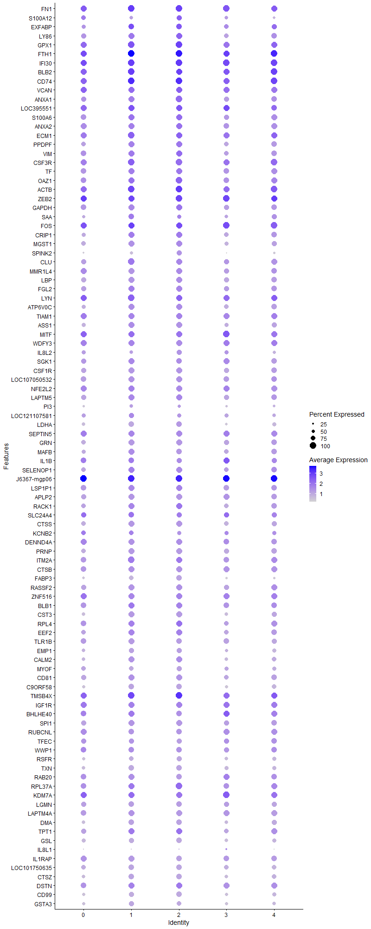
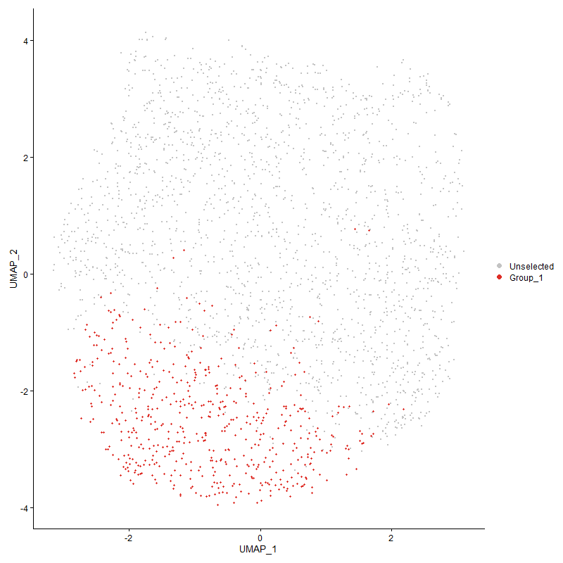
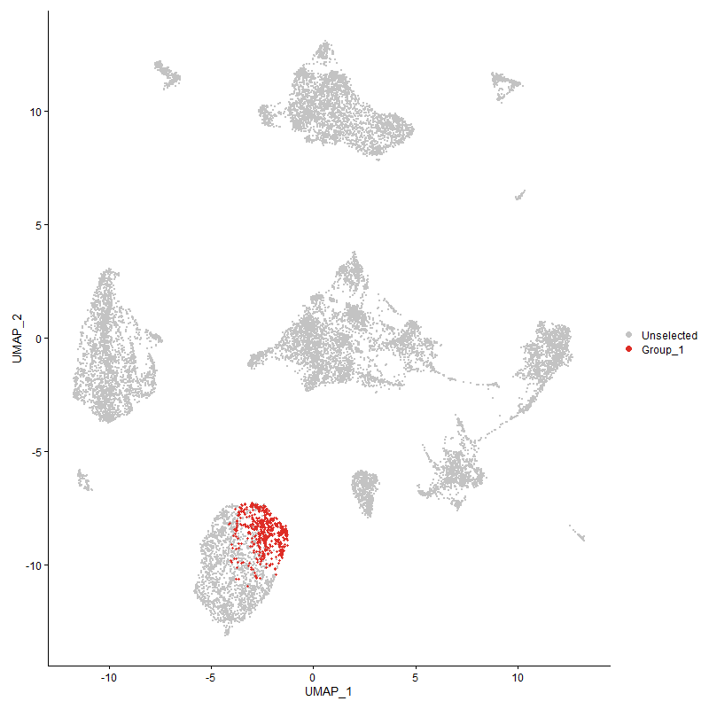
...

Cluster3
...
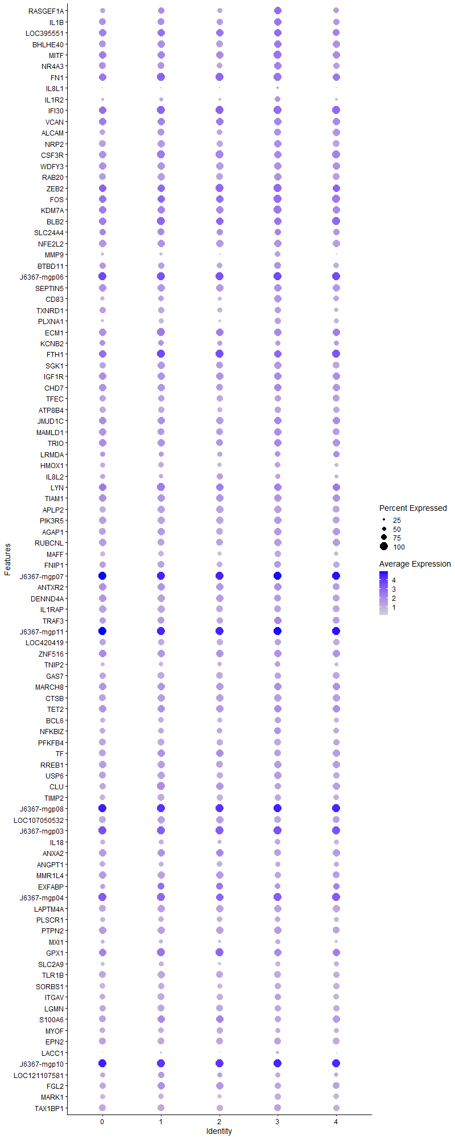
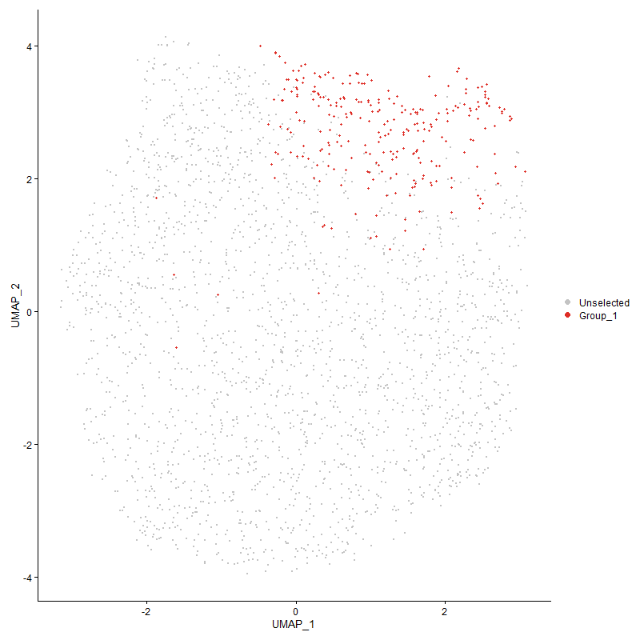
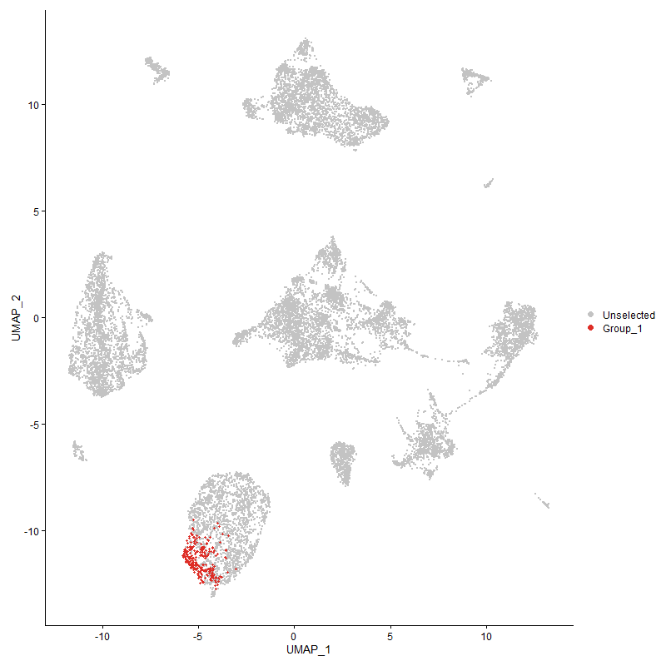
...

Cluster4
...



