Clustered cells
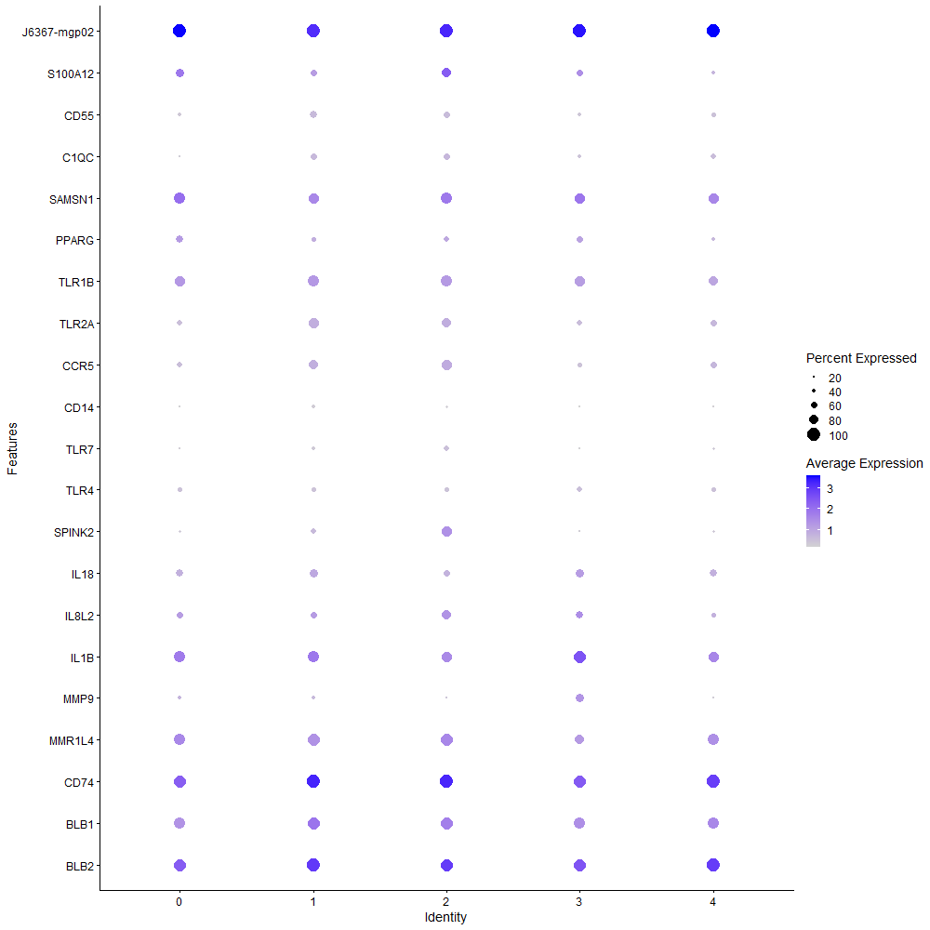
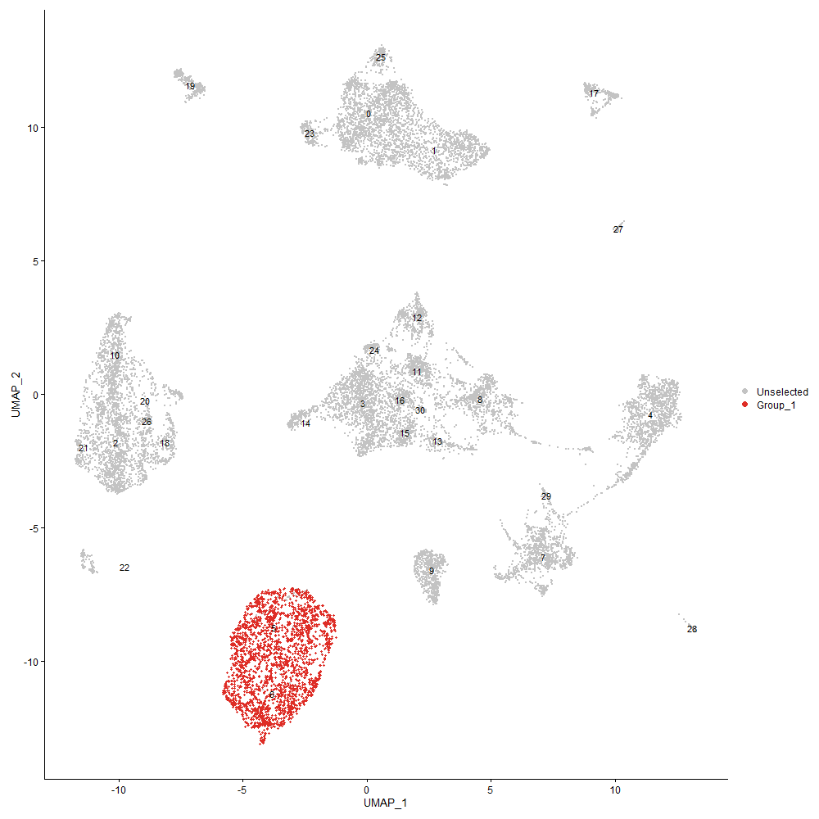
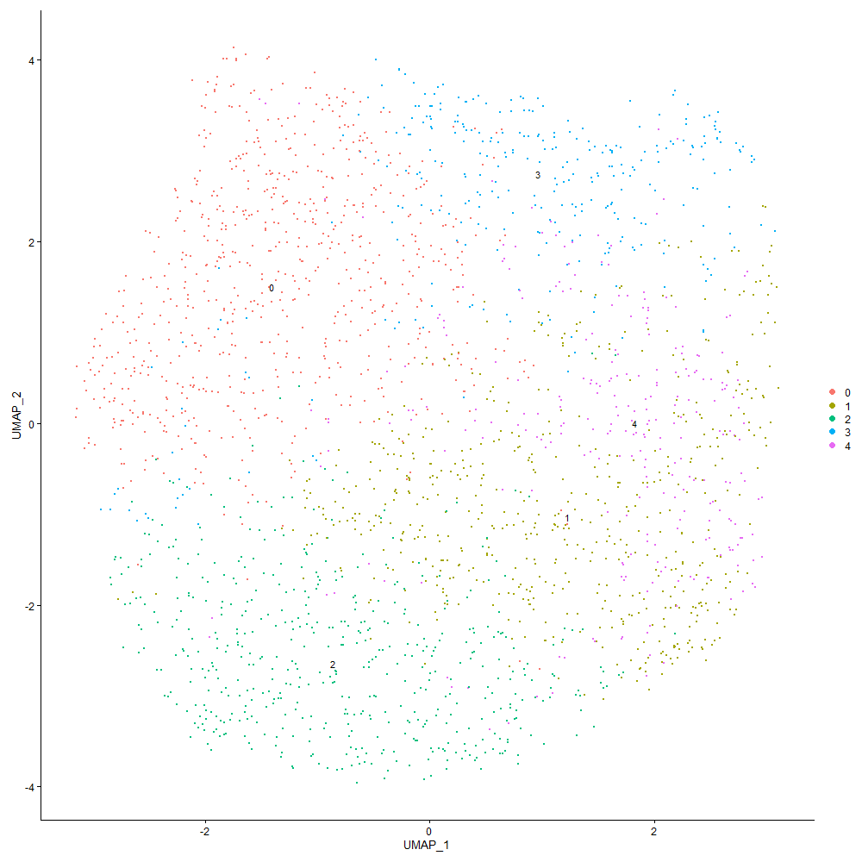
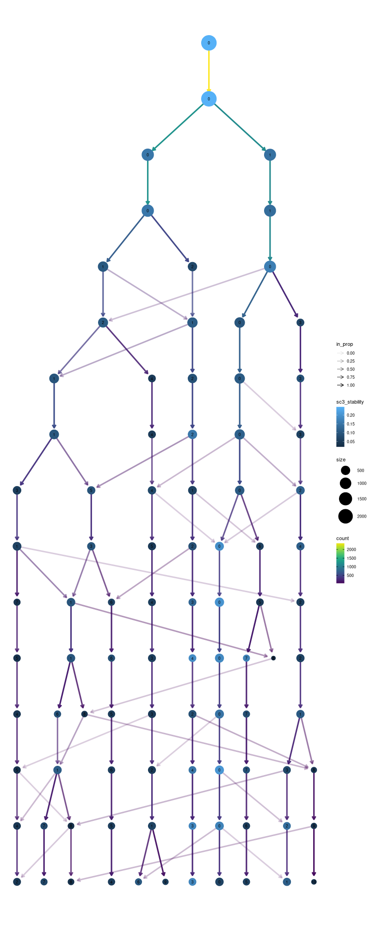

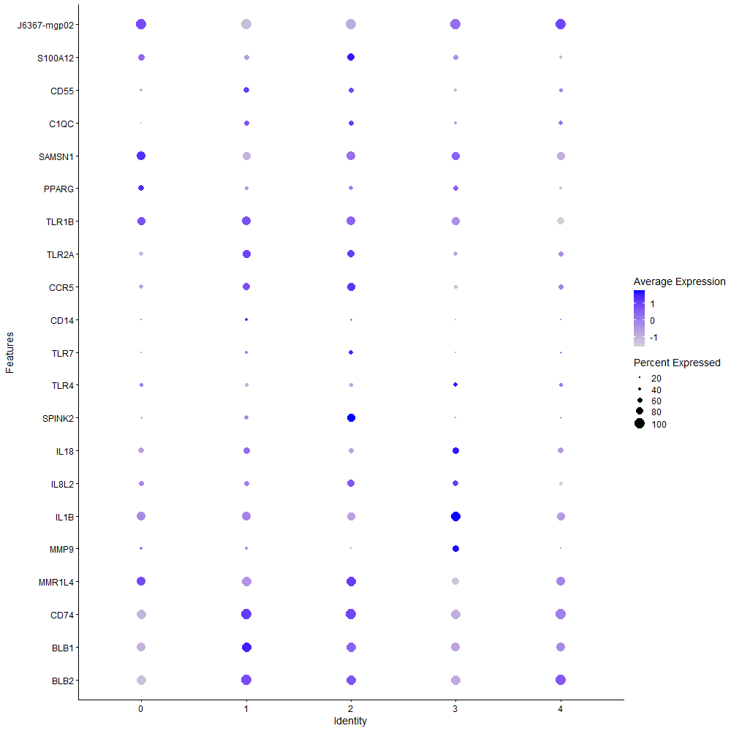
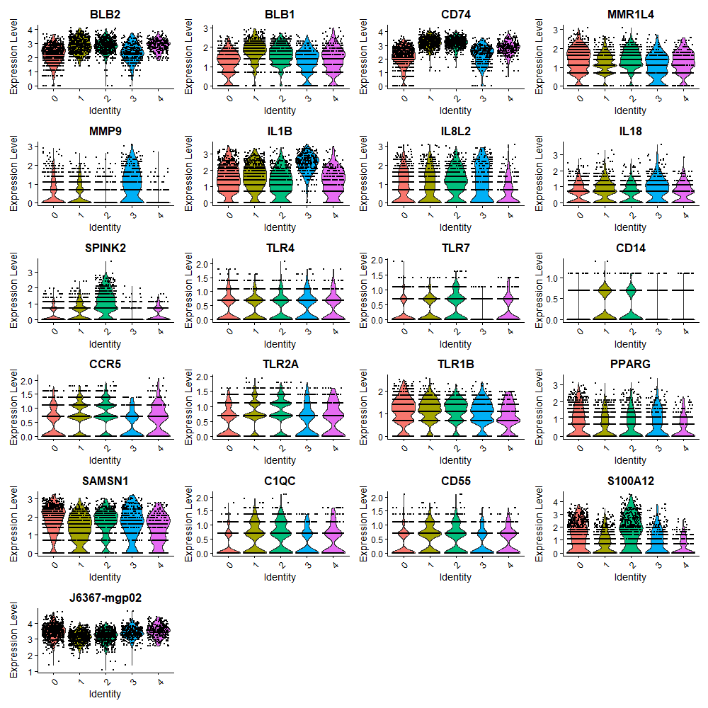

Cluster0
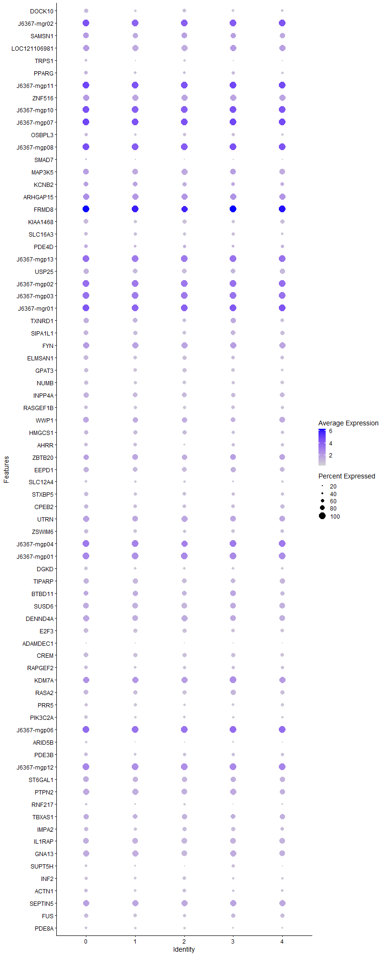
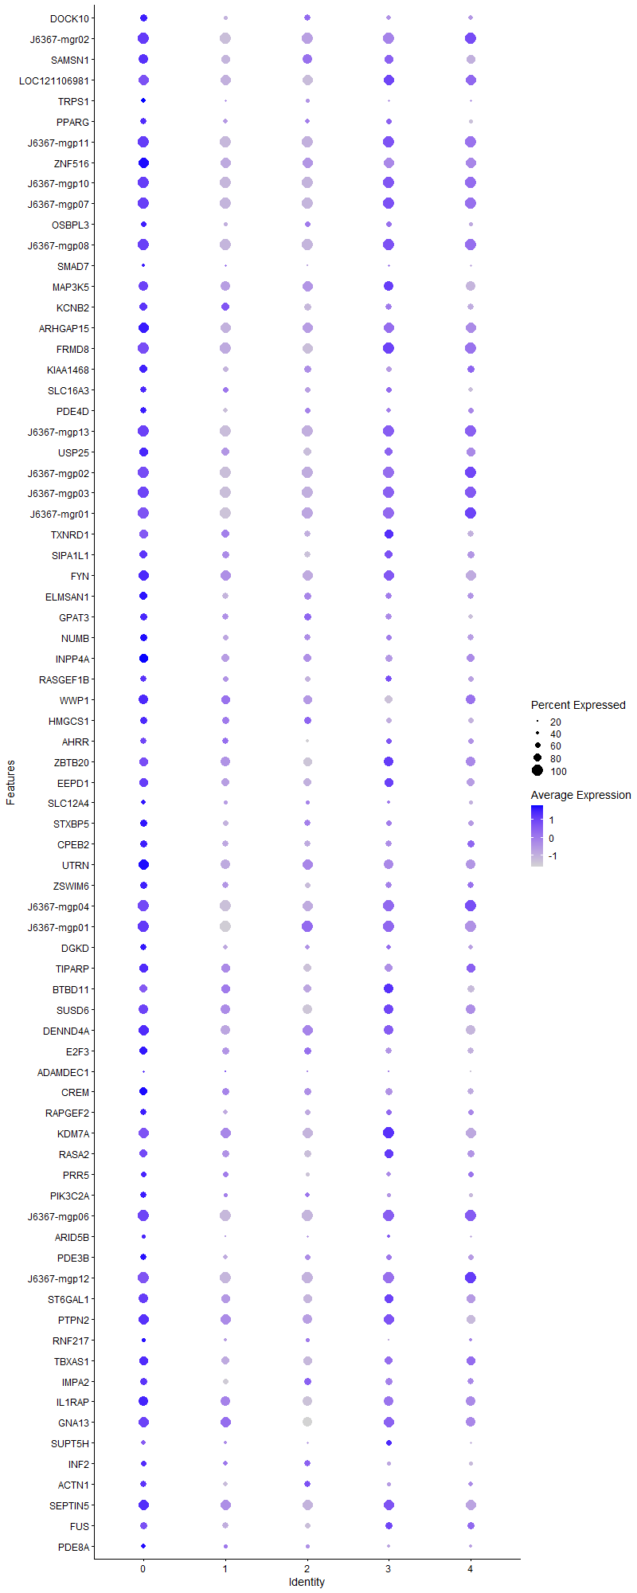
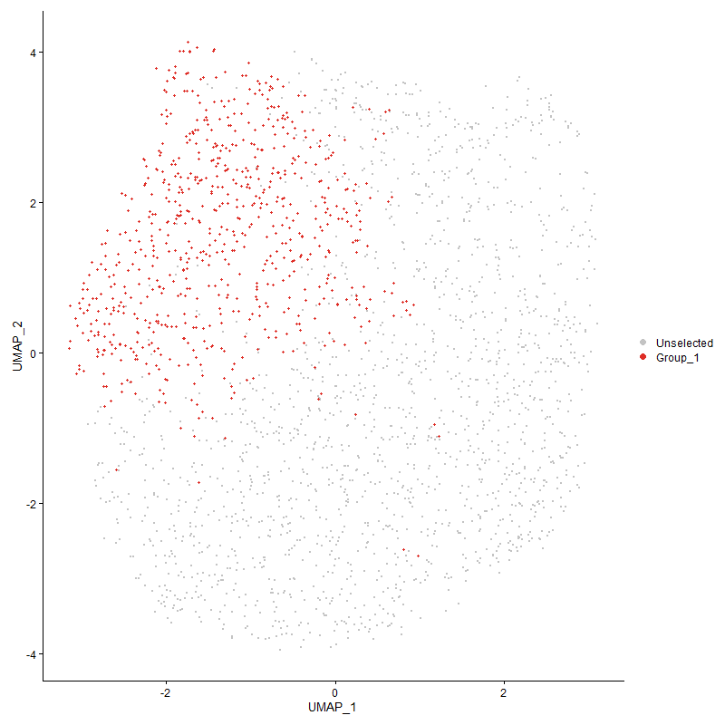
 | p_val | avg_log2FC | pct.1 | pct.2 | p_val_adj | cluster | gene
DOCK10 | 1.8647950769E-21 | 0.47604717079 | 0.702 | 0.545 | 2.8477285619E-17 | 0 | DOCK10
J6367-mgr02 | 1.1612635424E-17 | 0.4710833246 | 1 | 1 | 1.7733655555E-13 | 0 | J6367-mgr02
SAMSN1 | 1.9973765514E-25 | 0.45545105395 | 0.931 | 0.867 | 3.0501937316E-21 | 0 | SAMSN1
LOC121106981 | 7.1211725167E-33 | 0.44846957444 | 0.951 | 0.96 | 1.087474255E-28 | 0 | LOC121106981
TRPS1 | 3.9197238808E-13 | 0.44446640769 | 0.499 | 0.377 | 5.9858103384E-09 | 0 | TRPS1
PPARG | 7.7780096029E-14 | 0.4422624314 | 0.648 | 0.505 | 1.1877798465E-09 | 0 | PPARG
J6367-mgp11 | 1.5769296067E-85 | 0.4381622493 | 1 | 1 | 2.4081292023E-81 | 0 | J6367-mgp11
ZNF516 | 2.1857367642E-25 | 0.42935005989 | 0.972 | 0.956 | 3.3378386126E-21 | 0 | ZNF516
J6367-mgp10 | 1.2736406553E-69 | 0.42503825358 | 1 | 1 | 1.9449766448E-65 | 0 | J6367-mgp10
J6367-mgp07 | 9.4066048035E-74 | 0.41686858862 | 1 | 1 | 1.4364826195E-69 | 0 | J6367-mgp07
OSBPL3 | 7.3073472357E-13 | 0.41657013214 | 0.612 | 0.504 | 1.1159049964E-08 | 0 | OSBPL3
J6367-mgp08 | 9.7245116785E-73 | 0.41105648106 | 1 | 1 | 1.4850301784E-68 | 0 | J6367-mgp08
SMAD7 | 5.7428010071E-05 | 0.40428408634 | 0.363 | 0.296 | 0.87698314179 | 0 | SMAD7
MAP3K5 | 6.6816038111E-20 | 0.39181993667 | 0.928 | 0.918 | 1.020347718E-15 | 0 | MAP3K5
KCNB2 | 6.4990161333E-08 | 0.37057651972 | 0.744 | 0.709 | 0.00099246475371 | 0 | KCNB2
ARHGAP15 | 3.5307853007E-25 | 0.36868968097 | 0.986 | 0.979 | 5.3918622327E-21 | 0 | ARHGAP15
FRMD8 | 5.9953603735E-95 | 0.36822958669 | 1 | 0.999 | 9.1555148264E-91 | 0 | FRMD8
KIAA1468 | 2.332141251E-19 | 0.36619974458 | 0.785 | 0.646 | 3.5614129043E-15 | 0 | KIAA1468
SLC16A3 | 7.2965308905E-13 | 0.36553814296 | 0.669 | 0.561 | 1.1142532323E-08 | 0 | SLC16A3
PDE4D | 5.6185372668E-06 | 0.36384101882 | 0.633 | 0.56 | 0.085800682601 | 0 | PDE4D
J6367-mgp13 | 6.0643237961E-55 | 0.36224037813 | 1 | 1 | 9.260828869E-51 | 0 | J6367-mgp13
USP25 | 1.1465256198E-17 | 0.35935661176 | 0.847 | 0.784 | 1.750859274E-13 | 0 | USP25
J6367-mgp02 | 1.0257502628E-34 | 0.34603606885 | 1 | 1 | 1.5664232264E-30 | 0 | J6367-mgp02
J6367-mgp03 | 6.0797464168E-54 | 0.34443579754 | 1 | 1 | 9.284380753E-50 | 0 | J6367-mgp03
J6367-mgr01 | 2.3332409737E-22 | 0.33968563464 | 1 | 1 | 3.5630922909E-18 | 0 | J6367-mgr01
TXNRD1 | 7.2714907264E-13 | 0.33308017419 | 0.813 | 0.724 | 1.1104293488E-08 | 0 | TXNRD1
SIPA1L1 | 5.2812246453E-08 | 0.32796553393 | 0.764 | 0.714 | 0.00080649581558 | 0 | SIPA1L1
FYN | 8.6606055848E-13 | 0.32422351598 | 0.979 | 0.969 | 1.3225610788E-08 | 0 | FYN
ELMSAN1 | 2.1838369591E-13 | 0.32377892841 | 0.795 | 0.683 | 3.3349374202E-09 | 0 | ELMSAN1
GPAT3 | 1.6530724828E-15 | 0.32091515154 | 0.741 | 0.64 | 2.5244069885E-11 | 0 | GPAT3
NUMB | 5.7876133932E-14 | 0.31775111192 | 0.707 | 0.603 | 8.8382644127E-10 | 0 | NUMB
INPP4A | 2.5361969356E-11 | 0.31282425757 | 0.814 | 0.745 | 3.8730263403E-07 | 0 | INPP4A
RASGEF1B | 8.8604786592E-08 | 0.30728643574 | 0.658 | 0.591 | 0.001353083696 | 0 | RASGEF1B
WWP1 | 1.5286683422E-09 | 0.30568729598 | 0.895 | 0.856 | 2.3344294254E-05 | 0 | WWP1
HMGCS1 | 8.8183903889E-05 | 0.30116338726 | 0.696 | 0.65 | 1 | 0 | HMGCS1
AHRR | 8.3726600336E-09 | 0.29941774566 | 0.647 | 0.532 | 0.00012785889137 | 0 | AHRR
ZBTB20 | 1.8060523055E-08 | 0.29892313559 | 0.871 | 0.887 | 0.00027580224757 | 0 | ZBTB20
EEPD1 | 7.9030378854E-12 | 0.29610265698 | 0.848 | 0.783 | 1.2068729155E-07 | 0 | EEPD1
SLC12A4 | 4.9815915976E-08 | 0.29582582536 | 0.549 | 0.438 | 0.00076073885286 | 0 | SLC12A4
STXBP5 | 3.0690124766E-09 | 0.29564436749 | 0.703 | 0.609 | 4.686688953E-05 | 0 | STXBP5
CPEB2 | 2.6290231784E-08 | 0.28925118252 | 0.731 | 0.641 | 0.00040147812958 | 0 | CPEB2
UTRN | 2.1516042766E-11 | 0.28727348372 | 0.947 | 0.925 | 3.2857148908E-07 | 0 | UTRN
ZSWIM6 | 6.4064165714E-08 | 0.28713246235 | 0.695 | 0.622 | 0.00097832387462 | 0 | ZSWIM6
J6367-mgp04 | 1.8848809721E-34 | 0.28450232416 | 1 | 0.999 | 2.8784017325E-30 | 0 | J6367-mgp04
J6367-mgp01 | 3.713160457E-16 | 0.28296817682 | 1 | 1 | 5.6703673339E-12 | 0 | J6367-mgp01
DGKD | 3.0045992565E-10 | 0.28183103025 | 0.626 | 0.539 | 4.5883235246E-06 | 0 | DGKD
TIPARP | 7.4257125844E-08 | 0.28066498168 | 0.837 | 0.811 | 0.0011339805688 | 0 | TIPARP
BTBD11 | 2.5574856459E-06 | 0.27937025234 | 0.805 | 0.801 | 0.039055363299 | 0 | BTBD11
SUSD6 | 3.4320336443E-12 | 0.27914409149 | 0.918 | 0.908 | 5.2410585781E-08 | 0 | SUSD6
DENND4A | 1.5953817565E-09 | 0.2769008992 | 0.938 | 0.927 | 2.4363074804E-05 | 0 | DENND4A
E2F3 | 4.011099438E-10 | 0.27360297644 | 0.759 | 0.668 | 6.1253499517E-06 | 0 | E2F3
ADAMDEC1 | 0.001727791794 | 0.27068264127 | 0.309 | 0.256 | 1 | 0 | ADAMDEC1
CREM | 9.7850314276E-12 | 0.27048288119 | 0.788 | 0.714 | 1.4942721493E-07 | 0 | CREM
RAPGEF2 | 9.9816831439E-08 | 0.26997153214 | 0.639 | 0.566 | 0.0015243028329 | 0 | RAPGEF2
KDM7A | 4.9764808693E-16 | 0.26983112059 | 0.993 | 0.992 | 7.5995839354E-12 | 0 | KDM7A
RASA2 | 4.4865850971E-09 | 0.26748224847 | 0.802 | 0.741 | 6.8514641018E-05 | 0 | RASA2
PRR5 | 2.370708838E-07 | 0.26583875118 | 0.601 | 0.528 | 0.0036203094665 | 0 | PRR5
PIK3C2A | 1.1079881978E-10 | 0.26577705955 | 0.616 | 0.485 | 1.6920087769E-06 | 0 | PIK3C2A
J6367-mgp06 | 1.0128931053E-35 | 0.26530956568 | 1 | 1 | 1.5467890611E-31 | 0 | J6367-mgp06
ARID5B | 3.7899877409E-10 | 0.26209833341 | 0.447 | 0.323 | 5.7876902791E-06 | 0 | ARID5B
PDE3B | 1.168547873E-07 | 0.26162336934 | 0.665 | 0.568 | 0.0017844894569 | 0 | PDE3B
J6367-mgp12 | 3.7964836077E-23 | 0.26079391878 | 1 | 1 | 5.7976101173E-19 | 0 | J6367-mgp12
ST6GAL1 | 1.6383053173E-09 | 0.26034824913 | 0.882 | 0.851 | 2.50185605E-05 | 0 | ST6GAL1
PTPN2 | 3.0377006317E-11 | 0.26024517739 | 0.951 | 0.927 | 4.6388726346E-07 | 0 | PTPN2
RNF217 | 1.7430193169E-05 | 0.2602131871 | 0.464 | 0.392 | 0.26617647988 | 0 | RNF217
TBXAS1 | 6.1543904993E-07 | 0.25721850919 | 0.842 | 0.792 | 0.0093983697315 | 0 | TBXAS1
IMPA2 | 4.8091091282E-07 | 0.25656600671 | 0.726 | 0.663 | 0.0073439905496 | 0 | IMPA2
IL1RAP | 2.7465282867E-11 | 0.25620698035 | 0.931 | 0.902 | 4.1942233467E-07 | 0 | IL1RAP
GNA13 | 5.2896519411E-11 | 0.25525119112 | 0.935 | 0.934 | 8.0778274793E-07 | 0 | GNA13
SUPT5H | 5.1160283747E-07 | 0.25504905937 | 0.509 | 0.411 | 0.007812686931 | 0 | SUPT5H
INF2 | 4.7999821913E-05 | 0.25242836458 | 0.592 | 0.53 | 0.73300528043 | 0 | INF2
ACTN1 | 3.4562500604E-06 | 0.25175455554 | 0.632 | 0.54 | 0.052780394673 | 0 | ACTN1
SEPTIN5 | 1.3076199247E-12 | 0.25135844058 | 0.976 | 0.979 | 1.9968663869E-08 | 0 | SEPTIN5
FUS | 1.006708788E-06 | 0.25093826123 | 0.702 | 0.648 | 0.015373449901 | 0 | FUS
PDE8A | 3.2694456956E-06 | 0.25044227329 | 0.53 | 0.457 | 0.049927705218 | 0 | PDE8A

Cluster1
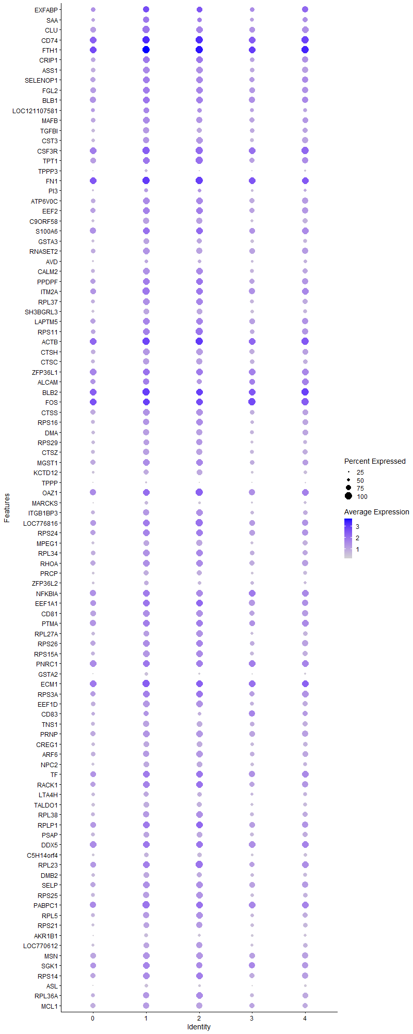
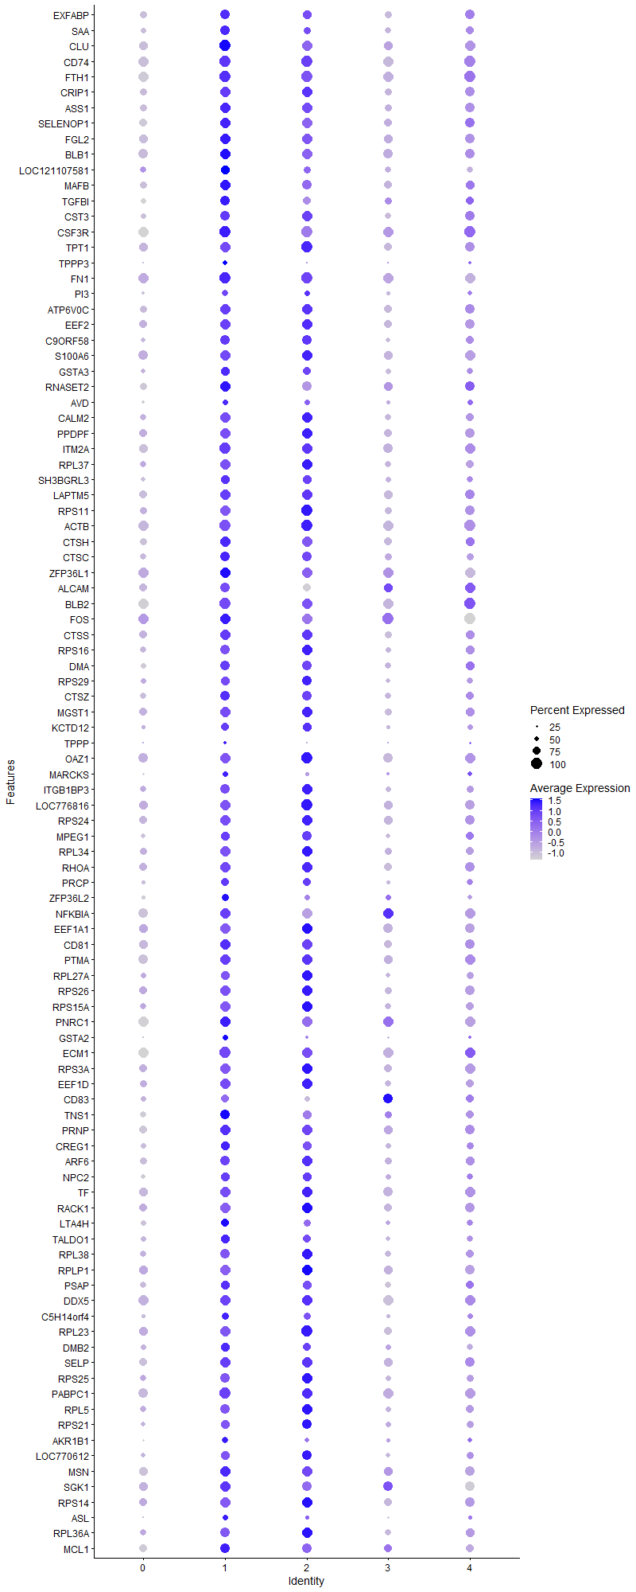
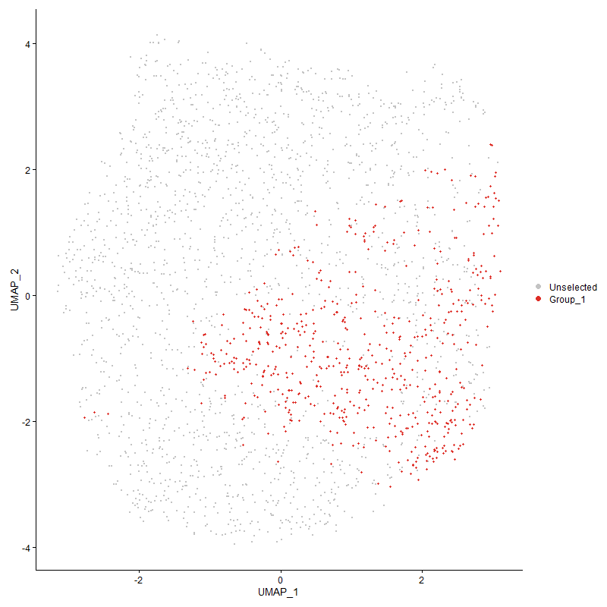
 | p_val | avg_log2FC | pct.1 | pct.2 | p_val_adj | cluster | gene
EXFABP | 9.5400678256E-49 | 1.0111901625 | 0.892 | 0.752 | 1.4568637576E-44 | 1 | EXFABP
SAA | 1.4048937717E-38 | 0.77750037113 | 0.864 | 0.629 | 2.1454132788E-34 | 1 | SAA
CLU | 1.4224803584E-95 | 0.7635412473 | 1 | 0.893 | 2.1722697553E-91 | 1 | CLU
CD74 | 2.3591145329E-97 | 0.73617747771 | 1 | 0.983 | 3.6026038032E-93 | 1 | CD74
FTH1 | 1.8228435567E-114 | 0.73419272515 | 1 | 0.99 | 2.7836643955E-110 | 1 | FTH1
CRIP1 | 6.2532672122E-69 | 0.66963727307 | 0.979 | 0.806 | 9.5493643597E-65 | 1 | CRIP1
ASS1 | 4.4214201811E-75 | 0.66014408427 | 0.985 | 0.788 | 6.7519507585E-71 | 1 | ASS1
SELENOP1 | 9.824910443E-65 | 0.64938598109 | 0.978 | 0.835 | 1.5003620737E-60 | 1 | SELENOP1
FGL2 | 1.6934499949E-65 | 0.60937769343 | 0.995 | 0.873 | 2.5860674873E-61 | 1 | FGL2
BLB1 | 3.0368199871E-59 | 0.58849747486 | 0.985 | 0.916 | 4.6375278024E-55 | 1 | BLB1
LOC121107581 | 2.7222187918E-19 | 0.58421767853 | 0.787 | 0.644 | 4.157100317E-15 | 1 | LOC121107581
MAFB | 1.2253535245E-42 | 0.57590998478 | 0.935 | 0.769 | 1.8712373672E-38 | 1 | MAFB
TGFBI | 3.4462388659E-40 | 0.55916342544 | 0.882 | 0.658 | 5.2627513722E-36 | 1 | TGFBI
CST3 | 7.3038066394E-49 | 0.55118842019 | 0.923 | 0.716 | 1.1153643119E-44 | 1 | CST3
CSF3R | 4.5997670881E-75 | 0.55096701262 | 1 | 0.987 | 7.0243043203E-71 | 1 | CSF3R
TPT1 | 1.1378244007E-53 | 0.5459624106 | 0.993 | 0.866 | 1.7375716422E-49 | 1 | TPT1
TPPP3 | 5.3243192645E-38 | 0.52938124026 | 0.453 | 0.19 | 8.1307679488E-34 | 1 | TPPP3
FN1 | 8.9202937475E-69 | 0.52160491698 | 1 | 0.994 | 1.3622180582E-64 | 1 | FN1
PI3 | 9.2811552112E-13 | 0.51561757708 | 0.575 | 0.421 | 1.4173252123E-08 | 1 | PI3
ATP6V0C | 5.5094866397E-47 | 0.51150780773 | 0.976 | 0.805 | 8.4135370475E-43 | 1 | ATP6V0C
EEF2 | 6.1007430475E-45 | 0.49836253878 | 0.976 | 0.836 | 9.3164447078E-41 | 1 | EEF2
C9ORF58 | 1.0451266921E-44 | 0.48582828462 | 0.877 | 0.643 | 1.5960129715E-40 | 1 | C9ORF58
S100A6 | 8.0240394893E-40 | 0.4852786541 | 0.99 | 0.91 | 1.2253510704E-35 | 1 | S100A6
GSTA3 | 2.8500481705E-36 | 0.4684269069 | 0.818 | 0.581 | 4.3523085611E-32 | 1 | GSTA3
RNASET2 | 6.3427240283E-43 | 0.46615390914 | 0.957 | 0.793 | 9.6859738637E-39 | 1 | RNASET2
AVD | 9.6201859839E-08 | 0.46573904708 | 0.506 | 0.409 | 0.0014690986016 | 1 | AVD
CALM2 | 6.4996219492E-45 | 0.46022824905 | 0.959 | 0.734 | 9.9255726786E-41 | 1 | CALM2
PPDPF | 2.2813597022E-45 | 0.45424808518 | 0.991 | 0.855 | 3.4838644012E-41 | 1 | PPDPF
ITM2A | 1.0949274904E-50 | 0.45415340062 | 1 | 0.917 | 1.6720637705E-46 | 1 | ITM2A
RPL37 | 1.4667923737E-41 | 0.45399178411 | 0.935 | 0.744 | 2.2399386339E-37 | 1 | RPL37
SH3BGRL3 | 2.0634409062E-35 | 0.45068492055 | 0.82 | 0.594 | 3.1510806078E-31 | 1 | SH3BGRL3
LAPTM5 | 6.8044760389E-41 | 0.45054333562 | 0.988 | 0.866 | 1.0391115359E-36 | 1 | LAPTM5
RPS11 | 8.0047547194E-39 | 0.43548188592 | 0.976 | 0.809 | 1.2224060932E-34 | 1 | RPS11
ACTB | 1.4939684602E-41 | 0.42735777091 | 1 | 0.974 | 2.2814392355E-37 | 1 | ACTB
CTSH | 2.7289607892E-34 | 0.4261049813 | 0.945 | 0.793 | 4.1673960211E-30 | 1 | CTSH
CTSC | 1.3476201569E-35 | 0.42424766981 | 0.909 | 0.721 | 2.0579507415E-31 | 1 | CTSC
ZFP36L1 | 3.0158667556E-39 | 0.42291760397 | 0.991 | 0.971 | 4.6055301225E-35 | 1 | ZFP36L1
ALCAM | 1.1256960042E-19 | 0.41919611079 | 0.901 | 0.78 | 1.7190503681E-15 | 1 | ALCAM
BLB2 | 1.7202005543E-25 | 0.41750584478 | 1 | 0.993 | 2.6269182665E-21 | 1 | BLB2
FOS | 2.0254125845E-39 | 0.4095712079 | 0.998 | 0.997 | 3.0930075579E-35 | 1 | FOS
CTSS | 7.2904673823E-36 | 0.40944868373 | 0.967 | 0.819 | 1.113327274E-31 | 1 | CTSS
RPS16 | 1.0122533286E-33 | 0.40904257675 | 0.918 | 0.741 | 1.5458120581E-29 | 1 | RPS16
DMA | 4.0022776638E-30 | 0.4014436099 | 0.889 | 0.704 | 6.1118782205E-26 | 1 | DMA
RPS29 | 6.9051596502E-31 | 0.40131331233 | 0.852 | 0.666 | 1.0544869302E-26 | 1 | RPS29
CTSZ | 2.6085418504E-32 | 0.40117429913 | 0.873 | 0.695 | 3.9835042597E-28 | 1 | CTSZ
MGST1 | 1.5776885737E-35 | 0.39932393903 | 0.983 | 0.82 | 2.4092882208E-31 | 1 | MGST1
KCTD12 | 9.5226294836E-31 | 0.39913134442 | 0.786 | 0.541 | 1.4542007484E-26 | 1 | KCTD12
TPPP | 3.5757580155E-22 | 0.39759688865 | 0.3 | 0.129 | 5.4605400654E-18 | 1 | TPPP
OAZ1 | 3.0987557819E-41 | 0.39227045526 | 0.995 | 0.941 | 4.7321099546E-37 | 1 | OAZ1
MARCKS | 3.8913024762E-26 | 0.39112782016 | 0.569 | 0.335 | 5.9424080115E-22 | 1 | MARCKS
ITGB1BP3 | 1.5437851272E-29 | 0.38962107268 | 0.909 | 0.707 | 2.3575142678E-25 | 1 | ITGB1BP3
LOC776816 | 2.0974889536E-34 | 0.37982913503 | 0.985 | 0.903 | 3.203075381E-30 | 1 | LOC776816
RPS24 | 3.0721064314E-32 | 0.37923592409 | 0.976 | 0.861 | 4.6914137315E-28 | 1 | RPS24
MPEG1 | 1.7899378903E-28 | 0.37817959783 | 0.828 | 0.627 | 2.7334141523E-24 | 1 | MPEG1
RPL34 | 2.0034206945E-29 | 0.37601826486 | 0.931 | 0.781 | 3.0594237426E-25 | 1 | RPL34
RHOA | 2.2832041366E-33 | 0.3755665284 | 0.978 | 0.824 | 3.486681037E-29 | 1 | RHOA
PRCP | 1.5384378855E-28 | 0.37153592171 | 0.768 | 0.531 | 2.3493484949E-24 | 1 | PRCP
ZFP36L2 | 3.0155013898E-20 | 0.36828935355 | 0.679 | 0.486 | 4.6049721724E-16 | 1 | ZFP36L2
NFKBIA | 4.9744803297E-23 | 0.36737590821 | 0.988 | 0.935 | 7.5965289114E-19 | 1 | NFKBIA
EEF1A1 | 2.0400530512E-33 | 0.36720803097 | 0.988 | 0.906 | 3.1153650144E-29 | 1 | EEF1A1
CD81 | 2.4606622926E-27 | 0.36367108803 | 0.971 | 0.843 | 3.7576773871E-23 | 1 | CD81
PTMA | 3.176517336E-29 | 0.36052872668 | 0.988 | 0.918 | 4.8508596238E-25 | 1 | PTMA
RPL27A | 3.5749105718E-25 | 0.36002192179 | 0.856 | 0.659 | 5.4592459343E-21 | 1 | RPL27A
RPS26 | 3.6724444572E-29 | 0.35996386601 | 0.967 | 0.829 | 5.6081899306E-25 | 1 | RPS26
RPS15A | 5.1154694153E-31 | 0.35776412737 | 0.93 | 0.729 | 7.8118333441E-27 | 1 | RPS15A
PNRC1 | 1.4017731026E-29 | 0.35714487974 | 0.997 | 0.958 | 2.140647705E-25 | 1 | PNRC1
GSTA2 | 3.1291016925E-33 | 0.35693327207 | 0.504 | 0.246 | 4.7784511946E-29 | 1 | GSTA2
ECM1 | 1.729693857E-27 | 0.35402289161 | 1 | 0.976 | 2.641415489E-23 | 1 | ECM1
RPS3A | 3.475363291E-28 | 0.35179710376 | 0.985 | 0.86 | 5.3072272816E-24 | 1 | RPS3A
EEF1D | 2.2730079505E-27 | 0.34840269036 | 0.93 | 0.757 | 3.4711104412E-23 | 1 | EEF1D
CD83 | 1.1670555548E-09 | 0.34744125143 | 0.726 | 0.626 | 1.7822105378E-05 | 1 | CD83
TNS1 | 4.4861879696E-24 | 0.34558063371 | 0.863 | 0.701 | 6.8508576483E-20 | 1 | TNS1
PRNP | 3.9677983697E-23 | 0.34087588452 | 0.933 | 0.83 | 6.0592248904E-19 | 1 | PRNP
CREG1 | 9.9955018922E-28 | 0.34048868124 | 0.832 | 0.618 | 1.526413094E-23 | 1 | CREG1
ARF6 | 9.0987696065E-27 | 0.33915321103 | 0.923 | 0.78 | 1.3894731066E-22 | 1 | ARF6
NPC2 | 2.3372735698E-24 | 0.33780666779 | 0.825 | 0.587 | 3.5692504685E-20 | 1 | NPC2
TF | 2.7825509897E-30 | 0.33726836608 | 0.997 | 0.908 | 4.2492336164E-26 | 1 | TF
RACK1 | 4.3426863152E-24 | 0.33561385598 | 0.978 | 0.838 | 6.6317162719E-20 | 1 | RACK1
LTA4H | 3.4548550995E-16 | 0.33548803215 | 0.727 | 0.56 | 5.2759092225E-12 | 1 | LTA4H
TALDO1 | 4.24604192E-28 | 0.3345777908 | 0.808 | 0.581 | 6.4841306161E-24 | 1 | TALDO1
RPL38 | 8.6194637045E-24 | 0.33427983872 | 0.897 | 0.723 | 1.3162783023E-19 | 1 | RPL38
RPLP1 | 7.9745912779E-29 | 0.33360773338 | 0.997 | 0.878 | 1.217799834E-24 | 1 | RPLP1
PSAP | 2.4690013848E-22 | 0.33274342784 | 0.856 | 0.681 | 3.7704120147E-18 | 1 | PSAP
DDX5 | 5.0963277521E-30 | 0.3304747382 | 0.991 | 0.954 | 7.7826021103E-26 | 1 | DDX5
C5H14orf4 | 1.3781694109E-20 | 0.32969638978 | 0.683 | 0.476 | 2.1046025074E-16 | 1 | C5H14orf4
RPL23 | 9.7204614883E-25 | 0.32957416459 | 0.985 | 0.873 | 1.4844116739E-20 | 1 | RPL23
DMB2 | 2.1819281219E-21 | 0.32892552546 | 0.794 | 0.633 | 3.332022435E-17 | 1 | DMB2
SELP | 2.6616705133E-27 | 0.32838045496 | 0.962 | 0.857 | 4.0646370408E-23 | 1 | SELP
RPS25 | 3.8074913975E-26 | 0.32400926813 | 0.907 | 0.706 | 5.8144201132E-22 | 1 | RPS25
PABPC1 | 3.3490179248E-30 | 0.32317232149 | 1 | 0.945 | 5.114285273E-26 | 1 | PABPC1
RPL5 | 1.1066179104E-25 | 0.32198797299 | 0.928 | 0.708 | 1.689916211E-21 | 1 | RPL5
RPS21 | 6.3186197196E-22 | 0.32178181132 | 0.823 | 0.634 | 9.6491641738E-18 | 1 | RPS21
AKR1B1 | 1.6310570627E-24 | 0.32112499114 | 0.616 | 0.388 | 2.4907872404E-20 | 1 | AKR1B1
LOC770612 | 2.1144281849E-20 | 0.32090762068 | 0.806 | 0.614 | 3.2289432812E-16 | 1 | LOC770612
MSN | 6.3553144978E-23 | 0.32071525231 | 0.952 | 0.856 | 9.7052007695E-19 | 1 | MSN
SGK1 | 2.2009347268E-14 | 0.32046973154 | 0.93 | 0.874 | 3.3610474213E-10 | 1 | SGK1
RPS14 | 1.0934565993E-24 | 0.32019468125 | 0.976 | 0.834 | 1.6698175727E-20 | 1 | RPS14
ASL | 1.1000485893E-24 | 0.31500152522 | 0.523 | 0.293 | 1.6798842008E-20 | 1 | ASL
RPL36A | 4.3614035002E-21 | 0.31494562739 | 0.919 | 0.756 | 6.6602992851E-17 | 1 | RPL36A
MCL1 | 3.2012876104E-22 | 0.31345449923 | 0.918 | 0.782 | 4.8886863099E-18 | 1 | MCL1
S100A11 | 2.6856091946E-23 | 0.31193335518 | 0.774 | 0.545 | 4.1011938011E-19 | 1 | S100A11
RPS17 | 2.7381360016E-25 | 0.3113356437 | 0.988 | 0.878 | 4.181407488E-21 | 1 | RPS17
RPL15 | 3.8140358468E-24 | 0.30973280878 | 0.976 | 0.85 | 5.8244141417E-20 | 1 | RPL15
BASP1 | 1.9470241664E-13 | 0.30956973385 | 0.762 | 0.629 | 2.9733006044E-09 | 1 | BASP1
RPL27 | 3.0305193384E-22 | 0.30857498973 | 0.882 | 0.7 | 4.6279060816E-18 | 1 | RPL27
PRDX1 | 2.0007791221E-16 | 0.30622929304 | 0.822 | 0.666 | 3.0553897973E-12 | 1 | PRDX1
RPL24 | 3.4277015317E-22 | 0.30592826386 | 0.957 | 0.827 | 5.2344430091E-18 | 1 | RPL24
SLC25A6 | 8.3837199818E-22 | 0.30591935608 | 0.808 | 0.609 | 1.2802778784E-17 | 1 | SLC25A6
RPS20 | 5.9226577299E-24 | 0.3046701352 | 0.93 | 0.788 | 9.0444906193E-20 | 1 | RPS20
GNS | 4.0864629042E-23 | 0.30186811066 | 0.852 | 0.654 | 6.240437501E-19 | 1 | GNS
SLC16A7 | 3.1370977224E-12 | 0.30140288295 | 0.58 | 0.415 | 4.7906619318E-08 | 1 | SLC16A7
RPS8 | 8.566081736E-21 | 0.30132983732 | 0.961 | 0.843 | 1.3081263419E-16 | 1 | RPS8
LY86 | 4.2624140006E-21 | 0.29805116865 | 0.983 | 0.862 | 6.5091324204E-17 | 1 | LY86
LOC101751866 | 4.9831451407E-24 | 0.29801884025 | 0.508 | 0.283 | 7.6097609443E-20 | 1 | LOC101751866
RAP1A | 1.2373168286E-22 | 0.2976338654 | 0.935 | 0.825 | 1.889506529E-18 | 1 | RAP1A
RPL21 | 9.7988493032E-23 | 0.29700936273 | 0.995 | 0.912 | 1.4963822771E-18 | 1 | RPL21
LOC771069 | 1.5451631915E-25 | 0.29589663099 | 0.364 | 0.161 | 2.3596187097E-21 | 1 | LOC771069
MSMO1 | 1.5729066921E-13 | 0.29537872353 | 0.503 | 0.35 | 2.4019858096E-09 | 1 | MSMO1
LCP1 | 1.8177329279E-21 | 0.29536652378 | 0.945 | 0.836 | 2.7758599542E-17 | 1 | LCP1
LOC124417452 | 4.5300884737E-24 | 0.2948623207 | 0.568 | 0.34 | 6.9178981082E-20 | 1 | LOC124417452
BF2 | 6.0552519933E-30 | 0.29464531333 | 1 | 0.967 | 9.246975319E-26 | 1 | BF2
VIM | 1.8235994683E-18 | 0.29203304985 | 0.979 | 0.898 | 2.784818748E-14 | 1 | VIM
ARL4C | 2.9096950715E-22 | 0.29054335708 | 0.791 | 0.58 | 4.4433953437E-18 | 1 | ARL4C
ALDH3A2 | 1.1258590076E-29 | 0.28952514353 | 0.434 | 0.199 | 1.7192992906E-25 | 1 | ALDH3A2
RPS27 | 9.9866557051E-24 | 0.28949175902 | 0.988 | 0.915 | 1.5250621927E-19 | 1 | RPS27
ARPC1B | 3.8345926652E-20 | 0.2882097893 | 0.803 | 0.618 | 5.855806459E-16 | 1 | ARPC1B
HSP90AA1 | 7.338575061E-13 | 0.28784740977 | 0.605 | 0.452 | 1.1206737976E-08 | 1 | HSP90AA1
EMP1 | 1.796854373E-13 | 0.28638526592 | 0.799 | 0.657 | 2.7439763131E-09 | 1 | EMP1
OST4 | 1.9028926266E-19 | 0.28582474899 | 0.664 | 0.469 | 2.9059073301E-15 | 1 | OST4
CD99 | 1.8162589243E-17 | 0.28562271601 | 0.82 | 0.649 | 2.7736090033E-13 | 1 | CD99
HSPA8 | 5.0388777015E-20 | 0.28530617964 | 0.777 | 0.581 | 7.694870138E-16 | 1 | HSPA8
RPL11 | 9.3275710999E-20 | 0.28372153326 | 0.803 | 0.602 | 1.4244133827E-15 | 1 | RPL11
RPL35A | 1.8909118088E-19 | 0.28291029911 | 0.918 | 0.748 | 2.8876114232E-15 | 1 | RPL35A
PLEKHO2 | 1.3591938068E-18 | 0.28237243874 | 0.753 | 0.554 | 2.0756248624E-14 | 1 | PLEKHO2
ARPC4 | 1.5314197418E-20 | 0.28019591044 | 0.827 | 0.653 | 2.3386310878E-16 | 1 | ARPC4
RPL35 | 1.8571124992E-21 | 0.2801552709 | 0.926 | 0.774 | 2.8359964975E-17 | 1 | RPL35
LOC395551 | 7.8885841692E-08 | 0.2801037827 | 0.991 | 0.956 | 0.0012046656885 | 1 | LOC395551
YWHAQ | 9.5164227642E-18 | 0.2793423749 | 0.842 | 0.696 | 1.4532529203E-13 | 1 | YWHAQ
RPS23 | 2.4338119702E-20 | 0.27819296405 | 0.945 | 0.821 | 3.7166742596E-16 | 1 | RPS23
DPYSL2 | 1.0576876048E-13 | 0.27743603543 | 0.563 | 0.403 | 1.6151947412E-09 | 1 | DPYSL2
RPL37A | 1.0825416068E-20 | 0.27613337617 | 0.995 | 0.916 | 1.6531492877E-16 | 1 | RPL37A
RSFR | 4.4243445897E-14 | 0.27589883268 | 0.76 | 0.626 | 6.756416623E-10 | 1 | RSFR
RPS28 | 1.3094996682E-19 | 0.27575047222 | 0.952 | 0.797 | 1.9997369433E-15 | 1 | RPS28
ASAH1 | 1.6448370404E-19 | 0.27544995832 | 0.705 | 0.503 | 2.5118306444E-15 | 1 | ASAH1
RASGEF1A | 3.7125199443E-07 | 0.27432740814 | 0.811 | 0.728 | 0.0056693892069 | 1 | RASGEF1A
RGS1 | 1.9335046984E-09 | 0.27386232016 | 0.642 | 0.52 | 2.9526550249E-05 | 1 | RGS1
GNG5 | 1.3279535548E-15 | 0.27093909645 | 0.662 | 0.472 | 2.0279178736E-11 | 1 | GNG5
RPS12 | 4.378610108E-18 | 0.2708880481 | 0.961 | 0.861 | 6.6865754959E-14 | 1 | RPS12
LSP1P1 | 2.1311476729E-21 | 0.26963646403 | 0.985 | 0.901 | 3.2544756113E-17 | 1 | LSP1P1
IER5 | 5.5350416942E-18 | 0.26918264726 | 0.727 | 0.532 | 8.4525621712E-14 | 1 | IER5
RPLP2 | 3.5176742354E-21 | 0.26898008847 | 0.988 | 0.929 | 5.3718403248E-17 | 1 | RPLP2
RPS4Y1 | 2.8458050692E-19 | 0.26636656872 | 0.835 | 0.625 | 4.3458289212E-15 | 1 | RPS4Y1
SPI1 | 1.1861567806E-17 | 0.26625657194 | 0.947 | 0.861 | 1.8113800197E-13 | 1 | SPI1
ENO1 | 1.7145221573E-19 | 0.26624893523 | 0.952 | 0.792 | 2.6182467864E-15 | 1 | ENO1
LOC426820 | 1.7261595396E-17 | 0.26485764359 | 0.69 | 0.496 | 2.6360182329E-13 | 1 | LOC426820
NADK | 4.1901139788E-15 | 0.26391260154 | 0.715 | 0.553 | 6.3987230571E-11 | 1 | NADK
TLR2A | 3.9500119092E-17 | 0.26223565391 | 0.825 | 0.61 | 6.0320631865E-13 | 1 | TLR2A
BF1 | 8.9595198993E-19 | 0.26033609603 | 0.959 | 0.862 | 1.3682082838E-14 | 1 | BF1
RPL7A | 7.9692476667E-18 | 0.26021882399 | 0.89 | 0.723 | 1.2169838112E-13 | 1 | RPL7A
GGH | 1.6657341463E-14 | 0.25754189508 | 0.719 | 0.571 | 2.5437426149E-10 | 1 | GGH
RPL29 | 5.0481931372E-19 | 0.25672457688 | 0.938 | 0.783 | 7.7090957398E-15 | 1 | RPL29
RPL19 | 6.5612391882E-18 | 0.25659574693 | 0.957 | 0.818 | 1.0019668364E-13 | 1 | RPL19
HMGB1 | 8.93234761E-18 | 0.2562291741 | 0.979 | 0.875 | 1.3640588035E-13 | 1 | HMGB1
EGR1 | 1.0656484502E-10 | 0.25563309664 | 0.76 | 0.644 | 1.6273517483E-06 | 1 | EGR1
TMSB4X | 1.5949281303E-21 | 0.25558374545 | 1 | 0.982 | 2.4356147478E-17 | 1 | TMSB4X
RPSAP58 | 4.1208367752E-17 | 0.2538390504 | 0.971 | 0.831 | 6.2929298394E-13 | 1 | RPSAP58
RPL36 | 1.9626263364E-17 | 0.25176078409 | 0.846 | 0.654 | 2.9971266784E-13 | 1 | RPL36
LAMP1 | 7.0256506738E-16 | 0.25106448712 | 0.902 | 0.769 | 1.0728871144E-11 | 1 | LAMP1
LGALS1A | 1.016085457E-13 | 0.25068709535 | 0.803 | 0.643 | 1.5516641014E-09 | 1 | LGALS1A

Cluster2
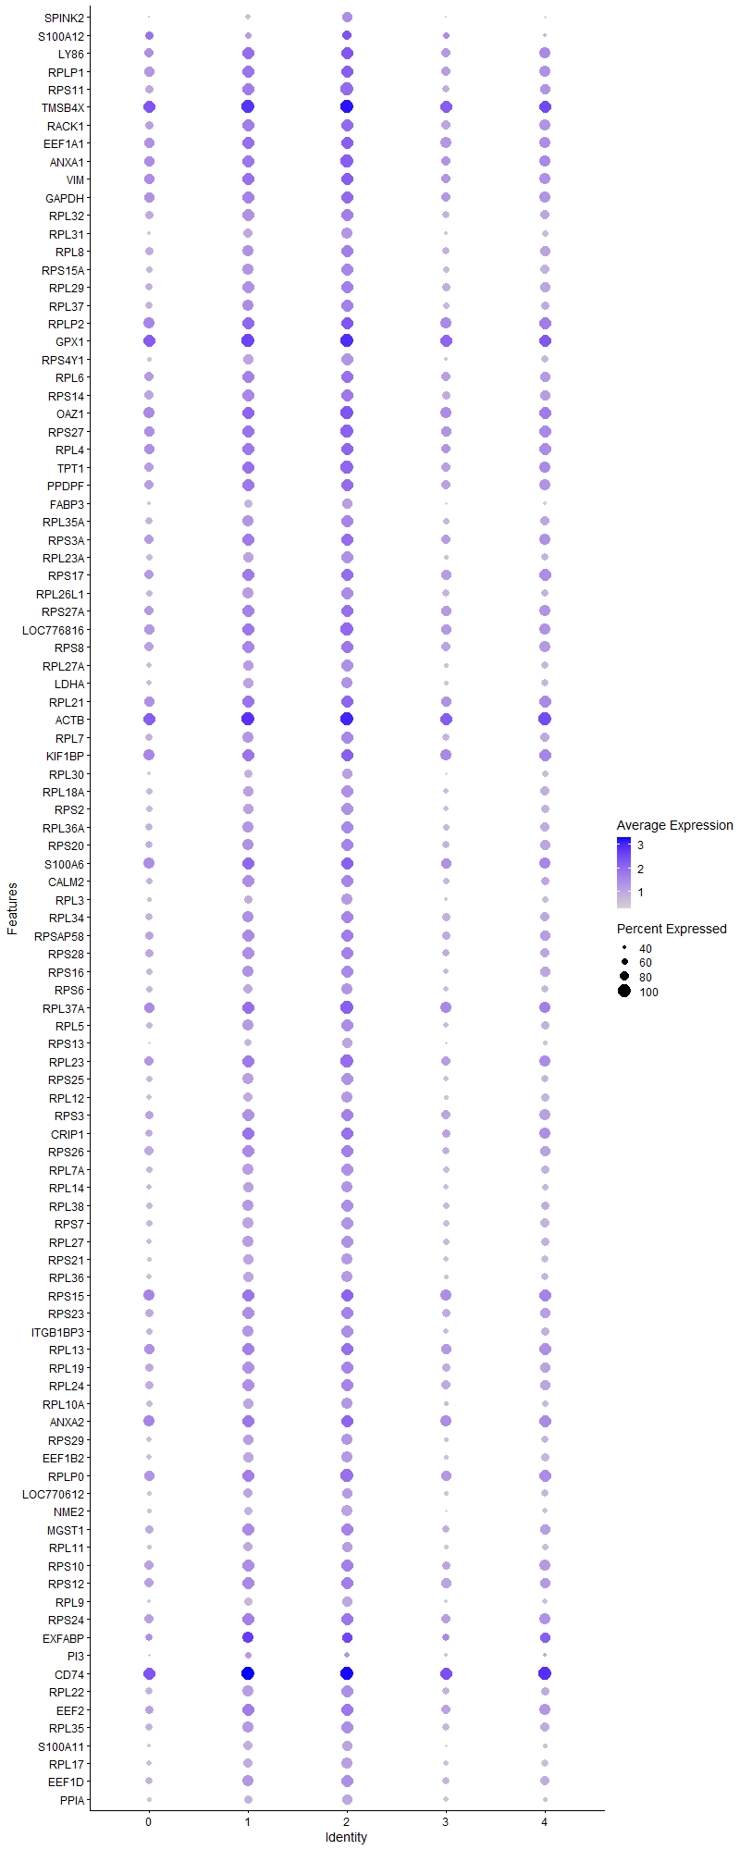
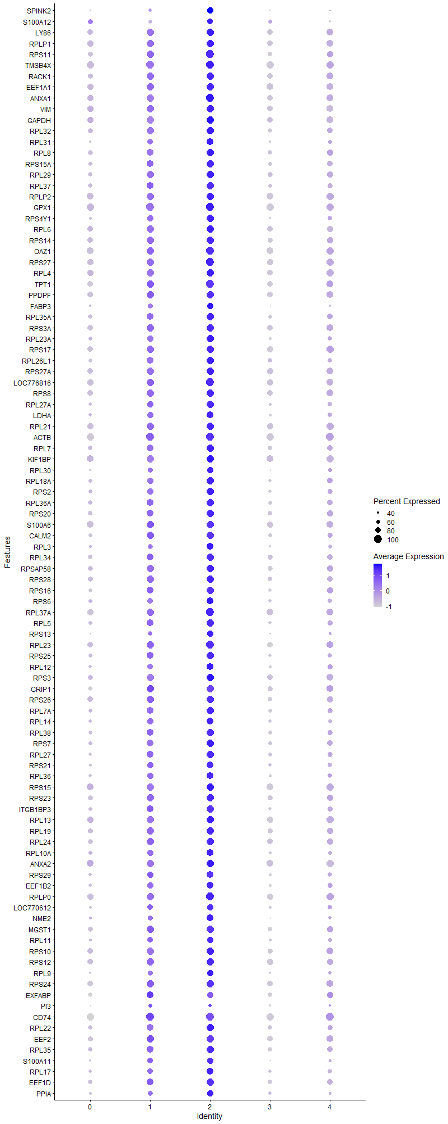
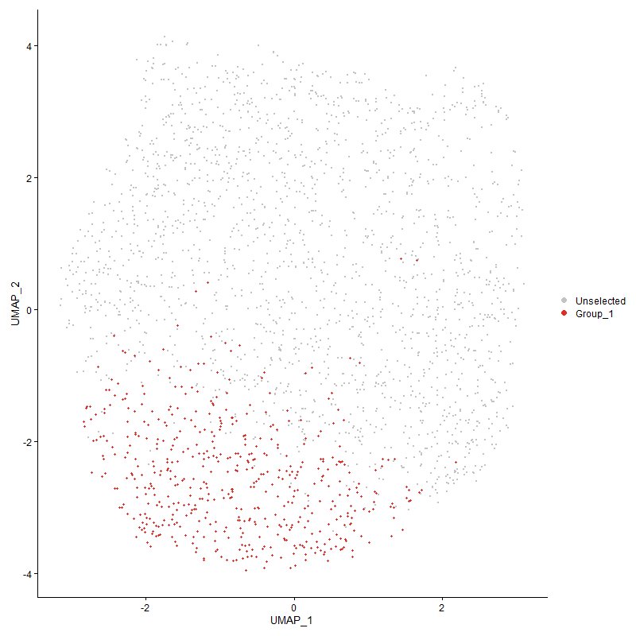
 | p_val | avg_log2FC | pct.1 | pct.2 | p_val_adj | cluster | gene
SPINK2 | 2.3668584965E-116 | 1.3806561897 | 0.83 | 0.368 | 3.6144296101E-112 | 2 | SPINK2
S100A12 | 7.8290135395E-38 | 1.2546669453 | 0.797 | 0.626 | 1.1955686576E-33 | 2 | S100A12
LY861 | 8.9423276177E-132 | 1.0656167422 | 0.996 | 0.863 | 1.3655828505E-127 | 2 | LY86
RPLP11 | 6.9196260584E-116 | 1.0122052931 | 0.998 | 0.882 | 1.0566960954E-111 | 2 | RPLP1
RPS111 | 8.0435280763E-113 | 0.9426385656 | 1 | 0.809 | 1.2283271725E-108 | 2 | RPS11
TMSB4X1 | 1.4079451409E-141 | 0.93217311133 | 1 | 0.983 | 2.1500730247E-137 | 2 | TMSB4X
RACK11 | 2.174021178E-119 | 0.92276717016 | 0.994 | 0.839 | 3.319947741E-115 | 2 | RACK1
EEF1A11 | 2.2050237873E-103 | 0.90349281744 | 0.992 | 0.908 | 3.3672918255E-99 | 2 | EEF1A1
ANXA1 | 3.0988356047E-107 | 0.89567309293 | 1 | 0.89 | 4.7322318519E-103 | 2 | ANXA1
VIM1 | 1.6906467462E-99 | 0.88483771778 | 0.998 | 0.896 | 2.5817866462E-95 | 2 | VIM
GAPDH | 1.2673496787E-98 | 0.86367807321 | 0.986 | 0.882 | 1.9353696943E-94 | 2 | GAPDH
RPL32 | 3.4585353687E-106 | 0.86301023959 | 0.986 | 0.781 | 5.2815293616E-102 | 2 | RPL32
RPL31 | 4.4201460931E-94 | 0.85946506358 | 0.918 | 0.562 | 6.7500050987E-90 | 2 | RPL31
RPL8 | 3.3359833519E-104 | 0.84357478069 | 0.99 | 0.791 | 5.0943801767E-100 | 2 | RPL8
RPS15A1 | 5.4722098659E-97 | 0.84041870219 | 0.967 | 0.726 | 8.3566116862E-93 | 2 | RPS15A
RPL291 | 4.5117856849E-94 | 0.83903757306 | 0.969 | 0.781 | 6.8899479195E-90 | 2 | RPL29
RPL371 | 8.517150202E-95 | 0.83540095796 | 0.975 | 0.74 | 1.3006540073E-90 | 2 | RPL37
RPLP21 | 9.3245793279E-114 | 0.82396856951 | 0.998 | 0.928 | 1.4239565092E-109 | 2 | RPLP2
GPX1 | 1.1250801498E-131 | 0.81974516728 | 1 | 0.98 | 1.7181098968E-127 | 2 | GPX1
RPS4Y11 | 1.3469154995E-92 | 0.8176712307 | 0.939 | 0.605 | 2.0568746593E-88 | 2 | RPS4Y1
RPL6 | 1.1840464867E-105 | 0.81678925676 | 0.998 | 0.861 | 1.8081573898E-101 | 2 | RPL6
RPS141 | 3.5523693322E-105 | 0.81548232096 | 0.982 | 0.838 | 5.4248232073E-101 | 2 | RPS14
OAZ11 | 2.0005648923E-109 | 0.81175135313 | 1 | 0.941 | 3.055062647E-105 | 2 | OAZ1
RPS271 | 3.0411346397E-107 | 0.81173400643 | 1 | 0.914 | 4.6441167082E-103 | 2 | RPS27
RPL4 | 4.6102368653E-111 | 0.80775948247 | 0.998 | 0.889 | 7.0402927171E-107 | 2 | RPL4
TPT11 | 3.7744896446E-99 | 0.80541151066 | 1 | 0.869 | 5.7640231362E-95 | 2 | TPT1
PPDPF1 | 1.2798608824E-97 | 0.80001865288 | 0.996 | 0.858 | 1.9544755536E-93 | 2 | PPDPF
FABP3 | 2.7809851252E-86 | 0.79539392715 | 0.875 | 0.507 | 4.2468423846E-82 | 2 | FABP3
RPL35A1 | 1.3328385105E-83 | 0.79274529692 | 0.967 | 0.741 | 2.0353776894E-79 | 2 | RPL35A
RPS3A1 | 3.1398294719E-97 | 0.78041420817 | 0.994 | 0.862 | 4.7948335865E-93 | 2 | RPS3A
RPL23A | 1.3600252919E-77 | 0.77530208284 | 0.941 | 0.665 | 2.0768946232E-73 | 2 | RPL23A
RPS171 | 3.2505481633E-94 | 0.77474882683 | 0.998 | 0.879 | 4.9639121002E-90 | 2 | RPS17
RPL26L1 | 5.9229956944E-92 | 0.77363075201 | 0.973 | 0.718 | 9.0450067249E-88 | 2 | RPL26L1
RPS27A | 3.0884797392E-101 | 0.77178950178 | 0.992 | 0.872 | 4.7164174097E-97 | 2 | RPS27A
LOC7768161 | 5.7531870943E-100 | 0.77164094808 | 1 | 0.902 | 8.7856920117E-96 | 2 | LOC776816
RPS81 | 2.5620946395E-87 | 0.77052013771 | 0.986 | 0.841 | 3.912574724E-83 | 2 | RPS8
RPL27A1 | 1.3563271942E-82 | 0.7676601249 | 0.943 | 0.643 | 2.0712472583E-78 | 2 | RPL27A
LDHA | 6.737800519E-78 | 0.76733368451 | 0.912 | 0.647 | 1.0289295173E-73 | 2 | LDHA
RPL211 | 3.466227188E-105 | 0.76620197191 | 0.998 | 0.914 | 5.2932755389E-101 | 2 | RPL21
ACTB1 | 2.6601719122E-100 | 0.7655654296 | 1 | 0.975 | 4.0623485271E-96 | 2 | ACTB
RPL7 | 3.3618849644E-89 | 0.75734365241 | 0.975 | 0.754 | 5.1339345291E-85 | 2 | RPL7
KIF1BP | 1.3390244175E-95 | 0.7545569218 | 0.998 | 0.939 | 2.044824188E-91 | 2 | KIF1BP
RPL30 | 1.0341023483E-75 | 0.75094289568 | 0.859 | 0.531 | 1.5791776961E-71 | 2 | RPL30
RPL18A | 2.8807756295E-82 | 0.75004193889 | 0.943 | 0.697 | 4.3992324639E-78 | 2 | RPL18A
RPS2 | 1.7988054141E-78 | 0.74626045577 | 0.939 | 0.676 | 2.7469557479E-74 | 2 | RPS2
RPL36A1 | 1.4961188629E-84 | 0.74620291674 | 0.977 | 0.747 | 2.2847231155E-80 | 2 | RPL36A
RPS201 | 6.1893972508E-75 | 0.73993436308 | 0.965 | 0.784 | 9.4518285416E-71 | 2 | RPS20
S100A61 | 9.3203645921E-67 | 0.73894564135 | 0.994 | 0.912 | 1.4233128769E-62 | 2 | S100A6
CALM21 | 5.68750908E-73 | 0.73776134956 | 0.963 | 0.741 | 8.6853951161E-69 | 2 | CALM2
RPL3 | 1.261673146E-76 | 0.73673909642 | 0.91 | 0.584 | 1.9267010612E-72 | 2 | RPL3
RPL341 | 3.568483092E-77 | 0.7366197828 | 0.977 | 0.774 | 5.4494305299E-73 | 2 | RPL34
RPSAP581 | 2.503123078E-84 | 0.73601688374 | 0.994 | 0.83 | 3.8225192524E-80 | 2 | RPSAP58
RPS281 | 4.6887149042E-83 | 0.73217005512 | 0.98 | 0.795 | 7.1601365302E-79 | 2 | RPS28
RPS161 | 1.4807278427E-82 | 0.72638200588 | 0.99 | 0.728 | 2.2612194886E-78 | 2 | RPS16
RPS6 | 9.1706866666E-83 | 0.72439695684 | 0.938 | 0.671 | 1.4004555609E-78 | 2 | RPS6
RPL37A1 | 3.0376144796E-98 | 0.72419199608 | 1 | 0.918 | 4.6387410718E-94 | 2 | RPL37A
RPL51 | 3.2680809954E-76 | 0.72350764668 | 0.955 | 0.709 | 4.990686488E-72 | 2 | RPL5
RPS13 | 6.8319263436E-77 | 0.71834503374 | 0.852 | 0.486 | 1.0433034719E-72 | 2 | RPS13
RPL231 | 2.2882924405E-85 | 0.71202340518 | 1 | 0.873 | 3.4944513859E-81 | 2 | RPL23
RPS251 | 3.1772212699E-78 | 0.70753849179 | 0.963 | 0.699 | 4.8519346013E-74 | 2 | RPS25
RPL12 | 1.3143168585E-72 | 0.70719508171 | 0.926 | 0.616 | 2.0070932746E-68 | 2 | RPL12
RPS3 | 5.891161817E-87 | 0.70078624793 | 0.992 | 0.834 | 8.9963932108E-83 | 2 | RPS3
CRIP11 | 2.8476971272E-48 | 0.69944903009 | 0.986 | 0.811 | 4.348718283E-44 | 2 | CRIP1
RPS261 | 8.1637200919E-80 | 0.69723685414 | 0.986 | 0.829 | 1.2466816952E-75 | 2 | RPS26
RPL7A1 | 7.7831726712E-78 | 0.69685028085 | 0.975 | 0.707 | 1.1885682986E-73 | 2 | RPL7A
RPL14 | 1.019392612E-68 | 0.69382681688 | 0.938 | 0.663 | 1.5567144578E-64 | 2 | RPL14
RPL381 | 1.4758082818E-73 | 0.69181529824 | 0.953 | 0.714 | 2.2537068271E-69 | 2 | RPL38
RPS7 | 6.7859090393E-83 | 0.69020672821 | 0.959 | 0.708 | 1.0362761694E-78 | 2 | RPS7
RPL271 | 8.8872499795E-73 | 0.68973152221 | 0.949 | 0.688 | 1.3571719444E-68 | 2 | RPL27
RPS211 | 2.7378492804E-64 | 0.68289795313 | 0.908 | 0.618 | 4.1809696362E-60 | 2 | RPS21
RPL361 | 1.229168336E-75 | 0.68208057724 | 0.934 | 0.637 | 1.877062966E-71 | 2 | RPL36
RPS15 | 2.4175617409E-94 | 0.68092958091 | 0.998 | 0.931 | 3.6918585345E-90 | 2 | RPS15
RPS231 | 1.9002102723E-75 | 0.67944353809 | 0.992 | 0.813 | 2.9018111068E-71 | 2 | RPS23
ITGB1BP31 | 6.8314865452E-70 | 0.67734332551 | 0.969 | 0.698 | 1.0432363103E-65 | 2 | ITGB1BP3
RPL13 | 1.1906591015E-80 | 0.67111975626 | 0.994 | 0.905 | 1.8182555139E-76 | 2 | RPL13
RPL191 | 6.4832632388E-75 | 0.6622766343 | 0.979 | 0.817 | 9.9005912919E-71 | 2 | RPL19
RPL241 | 1.1685398989E-78 | 0.66187838526 | 0.988 | 0.823 | 1.7844772797E-74 | 2 | RPL24
RPL10A | 1.5295059703E-61 | 0.65370394032 | 0.908 | 0.671 | 2.3357085672E-57 | 2 | RPL10A
ANXA2 | 6.7772258185E-82 | 0.65179144535 | 0.994 | 0.941 | 1.0349501547E-77 | 2 | ANXA2
RPS291 | 1.6306231281E-62 | 0.65091206038 | 0.928 | 0.653 | 2.4901245789E-58 | 2 | RPS29
EEF1B2 | 1.5451242358E-59 | 0.65043234964 | 0.891 | 0.647 | 2.3595592205E-55 | 2 | EEF1B2
RPLP0 | 5.0500344456E-81 | 0.64717218338 | 1 | 0.91 | 7.7119076018E-77 | 2 | RPLP0
LOC7706121 | 6.0301509697E-59 | 0.64653163035 | 0.873 | 0.604 | 9.2086435458E-55 | 2 | LOC770612
NME2 | 1.4419019765E-69 | 0.6461531373 | 0.885 | 0.552 | 2.2019285084E-65 | 2 | NME2
MGST11 | 3.7412054386E-67 | 0.64463012566 | 0.986 | 0.825 | 5.7131948253E-63 | 2 | MGST1
RPL111 | 2.6231052928E-57 | 0.63553465228 | 0.863 | 0.593 | 4.0057440926E-53 | 2 | RPL11
RPS10 | 4.0797535246E-75 | 0.6333001831 | 0.99 | 0.844 | 6.2301916075E-71 | 2 | RPS10
RPS121 | 2.1223740526E-65 | 0.63266292054 | 0.988 | 0.857 | 3.2410774158E-61 | 2 | RPS12
RPL9 | 2.1979376291E-64 | 0.63223750385 | 0.85 | 0.508 | 3.3564705534E-60 | 2 | RPL9
RPS241 | 1.235141948E-65 | 0.63142114012 | 0.99 | 0.861 | 1.8861852687E-61 | 2 | RPS24
EXFABP1 | 1.6586029489E-18 | 0.62996656113 | 0.848 | 0.769 | 2.5328525632E-14 | 2 | EXFABP
PI31 | 8.932573104E-11 | 0.61901195736 | 0.539 | 0.437 | 1.3640932387E-06 | 2 | PI3
CD741 | 3.1256376763E-71 | 0.61733325506 | 1 | 0.984 | 4.7731612954E-67 | 2 | CD74
RPL22 | 8.5572706228E-68 | 0.616282862 | 0.969 | 0.753 | 1.3067807968E-63 | 2 | RPL22
EEF21 | 8.2066068262E-66 | 0.61405709774 | 0.979 | 0.84 | 1.2532309284E-61 | 2 | EEF2
RPL351 | 1.2496229091E-61 | 0.6115731212 | 0.961 | 0.77 | 1.9082991444E-57 | 2 | RPL35
S100A111 | 3.6773783363E-57 | 0.59086824329 | 0.855 | 0.531 | 5.6157244574E-53 | 2 | S100A11
RPL17 | 3.3806133495E-57 | 0.59006620664 | 0.9 | 0.638 | 5.1625346461E-53 | 2 | RPL17
EEF1D1 | 4.0832600378E-59 | 0.58153243102 | 0.951 | 0.758 | 6.2355464037E-55 | 2 | EEF1D
PPIA | 5.5257368001E-53 | 0.55647834243 | 0.838 | 0.572 | 8.4383526674E-49 | 2 | PPIA
ATP6V0C1 | 1.0953773947E-57 | 0.55475307962 | 0.967 | 0.814 | 1.6727508194E-53 | 2 | ATP6V0C
TF1 | 1.0415399404E-59 | 0.54434196329 | 0.996 | 0.911 | 1.5905356429E-55 | 2 | TF
RPL151 | 4.116216519E-51 | 0.54001545701 | 0.988 | 0.852 | 6.2858742461E-47 | 2 | RPL15
RHOA1 | 2.4606795449E-55 | 0.53276678927 | 0.979 | 0.83 | 3.757703733E-51 | 2 | RHOA
COX6A1 | 1.043163773E-52 | 0.52128320213 | 0.791 | 0.477 | 1.5930153977E-48 | 2 | COX6A1
UBA52 | 1.6937157724E-51 | 0.5183809464 | 0.977 | 0.845 | 2.586473356E-47 | 2 | UBA52
COX4I1 | 5.28813349E-48 | 0.514037049 | 0.85 | 0.59 | 8.0755086525E-44 | 2 | COX4I1
HMGB11 | 1.7039279627E-45 | 0.51321044691 | 0.967 | 0.882 | 2.6020683918E-41 | 2 | HMGB1
LBP | 3.7235891309E-45 | 0.50383497327 | 0.965 | 0.859 | 5.6862929619E-41 | 2 | LBP
CYBA | 1.8542651093E-40 | 0.50201053507 | 0.832 | 0.608 | 2.8316482484E-36 | 2 | CYBA
LOC101747587 | 3.8992338577E-49 | 0.49675634844 | 0.998 | 0.953 | 5.9545200241E-45 | 2 | LOC101747587
ENO11 | 5.3466354845E-47 | 0.49424745602 | 0.945 | 0.8 | 8.1648470483E-43 | 2 | ENO1
YBX1 | 9.5534637071E-46 | 0.48857405867 | 0.92 | 0.707 | 1.4589094427E-41 | 2 | YBX1
DSTN | 2.156948284E-59 | 0.48501940134 | 0.994 | 0.953 | 3.2938757244E-55 | 2 | DSTN
CST31 | 1.8172070338E-43 | 0.48157045704 | 0.941 | 0.718 | 2.7750568613E-39 | 2 | CST3
HSPA81 | 2.5792773751E-32 | 0.47788856895 | 0.801 | 0.582 | 3.9388144796E-28 | 2 | HSPA8
SAA1 | 2.1622859122E-05 | 0.47739898107 | 0.699 | 0.683 | 0.33020268165 | 2 | SAA
LSP1P11 | 2.6284612621E-53 | 0.47730223571 | 0.986 | 0.904 | 4.0139231934E-49 | 2 | LSP1P1
C9ORF581 | 5.7173676696E-42 | 0.47723166197 | 0.893 | 0.648 | 8.7309921683E-38 | 2 | C9ORF58
RPL39L | 4.4806166843E-56 | 0.47592909745 | 0.998 | 0.947 | 6.8423497387E-52 | 2 | RPL39L
UBB | 2.6361765602E-37 | 0.46874591606 | 0.771 | 0.501 | 4.0257052251E-33 | 2 | UBB
ITM2A1 | 4.3881633444E-44 | 0.46736981627 | 0.992 | 0.922 | 6.7011642432E-40 | 2 | ITM2A
LAPTM51 | 6.333152816E-46 | 0.46382904296 | 0.98 | 0.872 | 9.6713576653E-42 | 2 | LAPTM5
SLC25A61 | 1.1608793504E-37 | 0.45632313671 | 0.848 | 0.606 | 1.7727788559E-33 | 2 | SLC25A6
RSFR1 | 5.1392324675E-27 | 0.4415139487 | 0.793 | 0.622 | 7.8481219011E-23 | 2 | RSFR
KCTD121 | 7.8256987162E-37 | 0.43945930291 | 0.809 | 0.544 | 1.195062451E-32 | 2 | KCTD12
YWHAQ1 | 1.5373865468E-33 | 0.43575503316 | 0.889 | 0.689 | 2.3477429956E-29 | 2 | YWHAQ
ARHGDIB | 1.7381560687E-40 | 0.43142898029 | 0.611 | 0.319 | 2.6543381325E-36 | 2 | ARHGDIB
COX8A | 3.6050193113E-33 | 0.43001339703 | 0.734 | 0.487 | 5.5052249903E-29 | 2 | COX8A
ARPC1B1 | 7.9690071822E-37 | 0.42979069229 | 0.867 | 0.607 | 1.2169470868E-32 | 2 | ARPC1B
PKLR | 5.619769067E-36 | 0.4262420985 | 0.889 | 0.687 | 8.5819493422E-32 | 2 | PKLR
CALM1 | 3.2973796881E-38 | 0.424593818 | 0.943 | 0.756 | 5.0354285216E-34 | 2 | CALM1
TXN | 1.9630468027E-30 | 0.42154642223 | 0.881 | 0.684 | 2.9977687724E-26 | 2 | TXN
MS4A4A | 3.5178996967E-36 | 0.42144831197 | 0.775 | 0.523 | 5.3721846269E-32 | 2 | MS4A4A
LASP1 | 2.2384072412E-36 | 0.41945451466 | 0.77 | 0.5 | 3.418271698E-32 | 2 | LASP1
OST41 | 8.0852051436E-39 | 0.41915117731 | 0.754 | 0.452 | 1.2346916775E-34 | 2 | OST4
FTH11 | 1.313069653E-37 | 0.41750332443 | 1 | 0.99 | 2.005188667E-33 | 2 | FTH1
CAPG | 2.3783289197E-34 | 0.41451641672 | 0.803 | 0.546 | 3.6319460932E-30 | 2 | CAPG
CEBPD | 3.5045160671E-29 | 0.41373391086 | 0.67 | 0.407 | 5.3517464861E-25 | 2 | CEBPD
ARF61 | 2.0724904963E-33 | 0.41372580567 | 0.934 | 0.782 | 3.1649002369E-29 | 2 | ARF6
COTL1 | 7.4847739435E-31 | 0.41312239362 | 0.885 | 0.657 | 1.1429998289E-26 | 2 | COTL1
CD991 | 3.9177258697E-37 | 0.41299652519 | 0.873 | 0.641 | 5.9827591756E-33 | 2 | CD99
F13A1 | 2.0084040472E-13 | 0.4108048615 | 0.553 | 0.395 | 3.0670338205E-09 | 2 | F13A1
CTSS1 | 6.231585696E-36 | 0.41002475472 | 0.969 | 0.824 | 9.5162545164E-32 | 2 | CTSS
NPM1 | 8.1310175437E-27 | 0.40755628769 | 0.736 | 0.5 | 1.2416876891E-22 | 2 | NPM1
PABPC11 | 2.7513298154E-38 | 0.40445611974 | 0.996 | 0.948 | 4.2015557611E-34 | 2 | PABPC1
DDX51 | 6.9012959423E-41 | 0.40322517355 | 0.988 | 0.956 | 1.0538969034E-36 | 2 | DDX5
ANXA5 | 2.6183239114E-34 | 0.39544300892 | 0.771 | 0.485 | 3.9984424452E-30 | 2 | ANXA5
EIF3F | 1.6827031976E-30 | 0.39479222095 | 0.656 | 0.39 | 2.569656053E-26 | 2 | EIF3F
PGAM1 | 3.5325306278E-33 | 0.39203068283 | 0.834 | 0.6 | 5.3945275217E-29 | 2 | PGAM1
ASS11 | 1.0956460616E-30 | 0.39202214554 | 0.971 | 0.799 | 1.6731611007E-26 | 2 | ASS1
PTMA1 | 1.5343905216E-30 | 0.38939295267 | 0.998 | 0.918 | 2.3431677655E-26 | 2 | PTMA
EIF4G2 | 7.7276517566E-31 | 0.38245283822 | 0.941 | 0.78 | 1.1800896997E-26 | 2 | EIF4G2
EMB | 1.6950837195E-25 | 0.38222182106 | 0.688 | 0.456 | 2.5885623481E-21 | 2 | EMB
S100A10 | 4.6989894356E-30 | 0.37988248928 | 0.666 | 0.414 | 7.1758267672E-26 | 2 | S100A10
EEF1G | 1.4109590169E-30 | 0.37688487095 | 0.955 | 0.819 | 2.1546755147E-26 | 2 | EEF1G
LOC107053353 | 5.093942388E-27 | 0.37648276578 | 0.48 | 0.252 | 7.7789594208E-23 | 2 | LOC107053353
PNAT3 | 5.7407276727E-30 | 0.37342730849 | 0.609 | 0.348 | 8.7666652289E-26 | 2 | PNAT3
MYL6 | 9.1006816195E-28 | 0.37185037284 | 0.666 | 0.447 | 1.3897650901E-23 | 2 | MYL6
CCR2 | 1.2668007223E-28 | 0.37109246367 | 0.787 | 0.545 | 1.934531383E-24 | 2 | CCR2
CTSA | 7.46128042E-26 | 0.37037511544 | 0.76 | 0.541 | 1.1394121329E-21 | 2 | CTSA
CEBPB | 1.1079063476E-26 | 0.36999173388 | 0.66 | 0.413 | 1.6918837834E-22 | 2 | CEBPB
SERBP1 | 2.7430757066E-27 | 0.36605929321 | 0.715 | 0.492 | 4.1889509115E-23 | 2 | SERBP1
MYH9 | 1.7774534477E-29 | 0.36557515832 | 0.988 | 0.935 | 2.71434916E-25 | 2 | MYH9
MPEG11 | 6.0901448587E-30 | 0.36453030981 | 0.867 | 0.624 | 9.3002602137E-26 | 2 | MPEG1
BTG1 | 9.8156243616E-25 | 0.36236153322 | 0.859 | 0.701 | 1.4989439963E-20 | 2 | BTG1
SLC1A6 | 1.2961492288E-26 | 0.36148057674 | 0.777 | 0.547 | 1.9793494873E-22 | 2 | SLC1A6
COX5A | 6.471814346E-30 | 0.36067300064 | 0.518 | 0.271 | 9.8831076877E-26 | 2 | COX5A
DAB2 | 4.3316406759E-24 | 0.35994152294 | 0.475 | 0.253 | 6.6148484762E-20 | 2 | DAB2
GNAI2 | 3.2326759997E-30 | 0.35860640292 | 0.965 | 0.824 | 4.9366195192E-26 | 2 | GNAI2
SH3BGRL31 | 1.1148394576E-27 | 0.35684817037 | 0.834 | 0.599 | 1.7024713357E-23 | 2 | SH3BGRL3
ATP5L | 3.5242104005E-26 | 0.35413598612 | 0.697 | 0.463 | 5.3818217026E-22 | 2 | ATP5L
CCR5 | 1.0123672935E-25 | 0.35252597102 | 0.814 | 0.591 | 1.5459860939E-21 | 2 | CCR5
ARF1 | 1.8268291265E-23 | 0.35242591649 | 0.816 | 0.642 | 2.7897507591E-19 | 2 | ARF1
COX7B | 6.8070925128E-30 | 0.35130420278 | 0.51 | 0.256 | 1.0395110976E-25 | 2 | COX7B
SELP1 | 1.3489836985E-25 | 0.34968971863 | 0.973 | 0.858 | 2.060033006E-21 | 2 | SELP
GNG51 | 1.6950524374E-25 | 0.34934693008 | 0.699 | 0.469 | 2.5885145772E-21 | 2 | GNG5
HNRNPA1 | 1.4361190312E-23 | 0.34925011228 | 0.654 | 0.438 | 2.1930973726E-19 | 2 | HNRNPA1
YWHAB | 2.1911054547E-25 | 0.34794693179 | 0.551 | 0.319 | 3.3460371399E-21 | 2 | YWHAB
EMP11 | 5.392635352E-23 | 0.34533372432 | 0.846 | 0.649 | 8.235093446E-19 | 2 | EMP1
VSIR | 3.4789131799E-23 | 0.34252638541 | 0.646 | 0.434 | 5.312648317E-19 | 2 | VSIR
BLB21 | 2.8408194121E-25 | 0.34049698006 | 0.996 | 0.995 | 4.3382153242E-21 | 2 | BLB2
GATD3AL1 | 1.5176873105E-25 | 0.34026188134 | 0.531 | 0.3 | 2.3176602919E-21 | 2 | GATD3AL1
PPIB | 3.493746167E-26 | 0.33737641007 | 0.678 | 0.427 | 5.3352997717E-22 | 2 | PPIB
FN11 | 1.3660374533E-26 | 0.33707670654 | 1 | 0.994 | 2.086075795E-22 | 2 | FN1
DMA1 | 1.0726555461E-23 | 0.33606245671 | 0.893 | 0.709 | 1.6380522844E-19 | 2 | DMA
ARPC3 | 6.2970120499E-23 | 0.33508905816 | 0.629 | 0.409 | 9.6161671013E-19 | 2 | ARPC3
AES | 6.4563738416E-26 | 0.33483242283 | 0.771 | 0.542 | 9.8595284935E-22 | 2 | AES
HIGD2A | 2.1938667396E-21 | 0.33481559205 | 0.623 | 0.42 | 3.350253898E-17 | 2 | HIGD2A
SERP1 | 8.5430455403E-21 | 0.33262065273 | 0.662 | 0.469 | 1.3046084845E-16 | 2 | SERP1
CCND3 | 9.8244061052E-25 | 0.33224482563 | 0.504 | 0.278 | 1.5002850563E-20 | 2 | CCND3
NPC21 | 6.4624038375E-23 | 0.33136532372 | 0.803 | 0.602 | 9.8687369003E-19 | 2 | NPC2
PRCP1 | 8.3213987301E-22 | 0.32991318199 | 0.754 | 0.544 | 1.2707608001E-17 | 2 | PRCP
EIF1 | 2.8562153397E-22 | 0.32905686763 | 0.943 | 0.852 | 4.3617264452E-18 | 2 | EIF1
LGALS1A1 | 3.8848388978E-19 | 0.32651158122 | 0.824 | 0.643 | 5.9325374808E-15 | 2 | LGALS1A
TPM3 | 3.9508906672E-28 | 0.32615389316 | 0.969 | 0.883 | 6.0334051378E-24 | 2 | TPM3
TMBIM6 | 9.2657381863E-23 | 0.32599775135 | 0.727 | 0.524 | 1.4149708784E-18 | 2 | TMBIM6
ATP5D | 3.4017864972E-25 | 0.3253027324 | 0.654 | 0.41 | 5.1948681599E-21 | 2 | ATP5D
ATP5B | 1.5875363084E-22 | 0.32367873226 | 0.643 | 0.412 | 2.4243266966E-18 | 2 | ATP5B
PRDX11 | 2.0446318767E-21 | 0.3224060352 | 0.85 | 0.664 | 3.1223573389E-17 | 2 | PRDX1
EIF3L | 3.528179832E-24 | 0.32222696991 | 0.49 | 0.269 | 5.3878834214E-20 | 2 | EIF3L
NRK | 1.1997452651E-19 | 0.3211148903 | 0.916 | 0.829 | 1.8321309943E-15 | 2 | NRK
ARPC41 | 7.3244751994E-21 | 0.32100146375 | 0.848 | 0.654 | 1.1185206077E-16 | 2 | ARPC4
GSTA31 | 2.3207688182E-14 | 0.31846110176 | 0.762 | 0.606 | 3.5440460623E-10 | 2 | GSTA3
MTDH | 1.9866312518E-20 | 0.31634494514 | 0.736 | 0.534 | 3.0337845846E-16 | 2 | MTDH
EIF4A2 | 2.6081433626E-24 | 0.3089505174 | 0.941 | 0.845 | 3.982895729E-20 | 2 | EIF4A2
ECM11 | 8.4010501361E-21 | 0.30771457218 | 0.998 | 0.977 | 1.2829243663E-16 | 2 | ECM1
GSL | 2.6760302198E-24 | 0.3069629982 | 0.906 | 0.699 | 4.0865657487E-20 | 2 | GSL
GSN | 5.3066241091E-23 | 0.30641867043 | 0.553 | 0.327 | 8.103745677E-19 | 2 | GSN
BST1 | 1.7668163748E-20 | 0.30559600394 | 0.434 | 0.236 | 2.6981052859E-16 | 2 | BST1
ZNF706 | 9.0499778004E-20 | 0.30466294958 | 0.754 | 0.584 | 1.3820221099E-15 | 2 | ZNF706
ATP5E | 4.7916600344E-20 | 0.30432928057 | 0.713 | 0.517 | 7.3173440385E-16 | 2 | ATP5E
RAC2 | 2.2361535762E-22 | 0.30412979012 | 0.527 | 0.309 | 3.4148301262E-18 | 2 | RAC2
TLR7 | 2.1038200329E-20 | 0.30396223945 | 0.521 | 0.314 | 3.2127435722E-16 | 2 | TLR7
KLF2 | 1.1496200082E-21 | 0.30382691109 | 0.443 | 0.237 | 1.7555847144E-17 | 2 | KLF2
CTSZ1 | 7.3680656824E-21 | 0.30195451156 | 0.861 | 0.705 | 1.1251773104E-16 | 2 | CTSZ
DYL1 | 5.732631488E-17 | 0.30135201866 | 0.492 | 0.315 | 8.7543015454E-13 | 2 | DYL1
LOC101750509 | 3.1755954926E-22 | 0.3006458529 | 0.547 | 0.314 | 4.8494518768E-18 | 2 | LOC101750509
ACTR2 | 4.6521334775E-21 | 0.29959530832 | 0.754 | 0.549 | 7.1042730335E-17 | 2 | ACTR2
LOC121108888 | 5.7360198787E-21 | 0.29927558632 | 0.828 | 0.639 | 8.7594759567E-17 | 2 | LOC121108888
TLR2A1 | 3.6788537696E-20 | 0.29917463619 | 0.799 | 0.625 | 5.6179775915E-16 | 2 | TLR2A
C1QC | 1.8084404759E-15 | 0.29863890008 | 0.617 | 0.437 | 2.7616694508E-11 | 2 | C1QC
COX7C | 1.3905349082E-22 | 0.29735678358 | 0.457 | 0.24 | 2.1234858583E-18 | 2 | COX7C
BNIP3 | 1.1088874118E-17 | 0.29689258248 | 0.709 | 0.526 | 1.6933819665E-13 | 2 | BNIP3
ALDOC | 1.2897717114E-17 | 0.29676694233 | 0.615 | 0.432 | 1.9696103805E-13 | 2 | ALDOC
CAP1 | 4.1581661715E-19 | 0.29459645165 | 0.805 | 0.647 | 6.3499355605E-15 | 2 | CAP1
HSP90B1 | 1.6059151488E-19 | 0.29257236459 | 0.66 | 0.443 | 2.4523930237E-15 | 2 | HSP90B1
PGK2 | 2.8191463103E-21 | 0.2918902504 | 0.551 | 0.326 | 4.3051183305E-17 | 2 | PGK2
ZNF593 | 3.1015679097E-20 | 0.2907868507 | 0.771 | 0.572 | 4.7364043549E-16 | 2 | ZNF593
EIF5A2 | 1.9448304109E-20 | 0.29024171748 | 0.541 | 0.329 | 2.9699505205E-16 | 2 | EIF5A2
TPI1 | 6.6496456234E-23 | 0.28960576587 | 0.484 | 0.263 | 1.0154673832E-18 | 2 | TPI1
LOC121107448 | 1.6856474949E-18 | 0.28895949765 | 0.348 | 0.172 | 2.5741522895E-14 | 2 | LOC121107448
GRN | 1.7438403423E-20 | 0.28664921552 | 0.969 | 0.838 | 2.6630185868E-16 | 2 | GRN
MTPN | 3.4496936021E-19 | 0.28598985529 | 0.77 | 0.575 | 5.2680270998E-15 | 2 | MTPN
RAB1B | 2.1417523105E-19 | 0.28563742807 | 0.895 | 0.816 | 3.2706699534E-15 | 2 | RAB1B
NCL | 5.6960920961E-16 | 0.28409413917 | 0.736 | 0.566 | 8.6985022399E-12 | 2 | NCL
IFI30 | 1.8900448525E-33 | 0.28348023434 | 1 | 0.999 | 2.8862874943E-29 | 2 | IFI30
CD63 | 7.552424791E-20 | 0.28273406178 | 0.967 | 0.829 | 1.1533307898E-15 | 2 | CD63
ATP6V1E1 | 3.6080764128E-18 | 0.2813881527 | 0.729 | 0.532 | 5.50989349E-14 | 2 | ATP6V1E1
JUN | 4.9532354273E-11 | 0.28106935879 | 0.748 | 0.596 | 7.5640858211E-07 | 2 | JUN
ARHGDIA | 1.0747233523E-17 | 0.28065247357 | 0.666 | 0.465 | 1.6412100313E-13 | 2 | ARHGDIA
SORL1 | 3.7866354605E-18 | 0.28052581853 | 0.594 | 0.392 | 5.7825710118E-14 | 2 | SORL1
RPIA | 5.3914959929E-21 | 0.27815672988 | 0.506 | 0.288 | 8.2333535307E-17 | 2 | RPIA
H3F3C | 8.0502002193E-17 | 0.27813019593 | 0.91 | 0.751 | 1.2293460755E-12 | 2 | H3F3C
GNAI3 | 5.9740220891E-20 | 0.27704175916 | 0.873 | 0.682 | 9.1229291322E-16 | 2 | GNAI3
COX6C | 9.4003092212E-17 | 0.27680065647 | 0.412 | 0.239 | 1.4355212212E-12 | 2 | COX6C
DMBT1 | 1.1389587136E-15 | 0.27588443638 | 0.58 | 0.403 | 1.7393038515E-11 | 2 | DMBT1
DBI | 2.170520665E-17 | 0.27499487866 | 0.506 | 0.316 | 3.3146021074E-13 | 2 | DBI
LOC107049545 | 3.1537936558E-19 | 0.27304130051 | 0.467 | 0.272 | 4.8161582917E-15 | 2 | LOC107049545
RNASEK | 4.5648808149E-19 | 0.27236921707 | 0.611 | 0.408 | 6.9710294924E-15 | 2 | RNASEK
MSLNL | 1.4697538278E-23 | 0.2713169865 | 0.369 | 0.168 | 2.2444610704E-19 | 2 | MSLNL
HSP90AA11 | 3.0159876374E-07 | 0.27032274814 | 0.574 | 0.467 | 0.004605714721 | 2 | HSP90AA1
HDGF | 3.1132301178E-18 | 0.27007299823 | 0.602 | 0.39 | 4.754213713E-14 | 2 | HDGF
ATP5J | 9.4985758942E-21 | 0.27000110091 | 0.402 | 0.206 | 1.4505275248E-16 | 2 | ATP5J
LCP11 | 1.4519989761E-16 | 0.26982171415 | 0.943 | 0.84 | 2.2173476364E-12 | 2 | LCP1
GGH1 | 8.346201065E-18 | 0.26928201088 | 0.756 | 0.567 | 1.2745483646E-13 | 2 | GGH
CD811 | 1.2719954786E-18 | 0.26894809816 | 0.941 | 0.856 | 1.9424642954E-14 | 2 | CD81
ROMO1 | 4.2323674643E-19 | 0.26883787787 | 0.516 | 0.306 | 6.4632483548E-15 | 2 | ROMO1
ATP5I | 8.9252619246E-21 | 0.26794687434 | 0.387 | 0.193 | 1.3629767485E-16 | 2 | ATP5I
FGL21 | 1.5829694656E-17 | 0.26741780183 | 0.979 | 0.882 | 2.417352671E-13 | 2 | FGL2
RNF208 | 2.4680272387E-22 | 0.26737546409 | 0.49 | 0.262 | 3.7689243961E-18 | 2 | RNF208
RASSF2 | 1.5478574655E-15 | 0.26723736588 | 0.963 | 0.872 | 2.3637331356E-11 | 2 | RASSF2
CSF1R | 1.0149455722E-14 | 0.26708843262 | 0.971 | 0.888 | 1.5499233834E-10 | 2 | CSF1R
PGD | 7.7107866296E-17 | 0.26655244381 | 0.777 | 0.623 | 1.1775142262E-12 | 2 | PGD
CYB5A | 1.1656377135E-15 | 0.26533622304 | 0.545 | 0.361 | 1.7800453523E-11 | 2 | CYB5A
CTSC1 | 7.1351269915E-17 | 0.26431463934 | 0.891 | 0.733 | 1.0896052429E-12 | 2 | CTSC
PRELID1 | 4.2789505052E-20 | 0.26263288815 | 0.459 | 0.253 | 6.5343853166E-16 | 2 | PRELID1
SEC61G | 9.7354773862E-15 | 0.26210409599 | 0.461 | 0.289 | 1.4867047517E-10 | 2 | SEC61G
GDA | 6.6627659592E-09 | 0.2620914177 | 0.475 | 0.357 | 0.00010174709896 | 2 | GDA
DAP | 3.8494564928E-12 | 0.26180316303 | 0.508 | 0.35 | 5.8785050102E-08 | 2 | DAP
EIF3B | 6.6390023672E-18 | 0.26165302849 | 0.404 | 0.222 | 1.0138420515E-13 | 2 | EIF3B
CDV3 | 3.3298945828E-16 | 0.26124257508 | 0.652 | 0.462 | 5.0850820175E-12 | 2 | CDV3
LRPAP1 | 3.879233232E-20 | 0.26053568504 | 0.5 | 0.28 | 5.9239770686E-16 | 2 | LRPAP1
MAPK14 | 2.8523767461E-16 | 0.25961192697 | 0.773 | 0.609 | 4.355864529E-12 | 2 | MAPK14
PLP2 | 1.0089683422E-16 | 0.25949072021 | 0.391 | 0.219 | 1.5407955554E-12 | 2 | PLP2
SLC25A3 | 4.8958043325E-13 | 0.25856288071 | 0.615 | 0.468 | 7.4763827962E-09 | 2 | SLC25A3
PRAM1 | 2.6817292614E-16 | 0.25805564887 | 0.736 | 0.561 | 4.095268755E-12 | 2 | PRAM1
MYL12B | 2.0921742539E-15 | 0.25710795213 | 0.541 | 0.359 | 3.1949593032E-11 | 2 | MYL12B
EIF3K | 6.6583556692E-18 | 0.25653174383 | 0.41 | 0.227 | 1.0167974942E-13 | 2 | EIF3K
SERF2 | 3.1107969498E-14 | 0.2555403588 | 0.885 | 0.753 | 4.7504980221E-10 | 2 | SERF2
CLIC2 | 1.6214322618E-14 | 0.25443767809 | 0.928 | 0.788 | 2.4760892069E-10 | 2 | CLIC2
NDUFB2 | 2.5753421765E-16 | 0.25319496256 | 0.619 | 0.428 | 3.9328050378E-12 | 2 | NDUFB2
ATPIF1 | 1.0579501109E-14 | 0.25303815515 | 0.516 | 0.342 | 1.6155956143E-10 | 2 | ATPIF1
IL8L2 | 2.8074253474E-13 | 0.25221354688 | 0.793 | 0.599 | 4.287219248E-09 | 2 | IL8L2
GNS1 | 2.4921337541E-15 | 0.25140974253 | 0.822 | 0.67 | 3.8057374559E-11 | 2 | GNS
SET | 5.0221815944E-17 | 0.25097390321 | 0.492 | 0.3 | 7.6693735128E-13 | 2 | SET
MDH1 | 1.9595210808E-16 | 0.25077319356 | 0.332 | 0.175 | 2.9923846426E-12 | 2 | MDH1
RAMP2 | 2.0401631065E-11 | 0.25068350143 | 0.633 | 0.497 | 3.1155330799E-07 | 2 | RAMP2

Cluster3
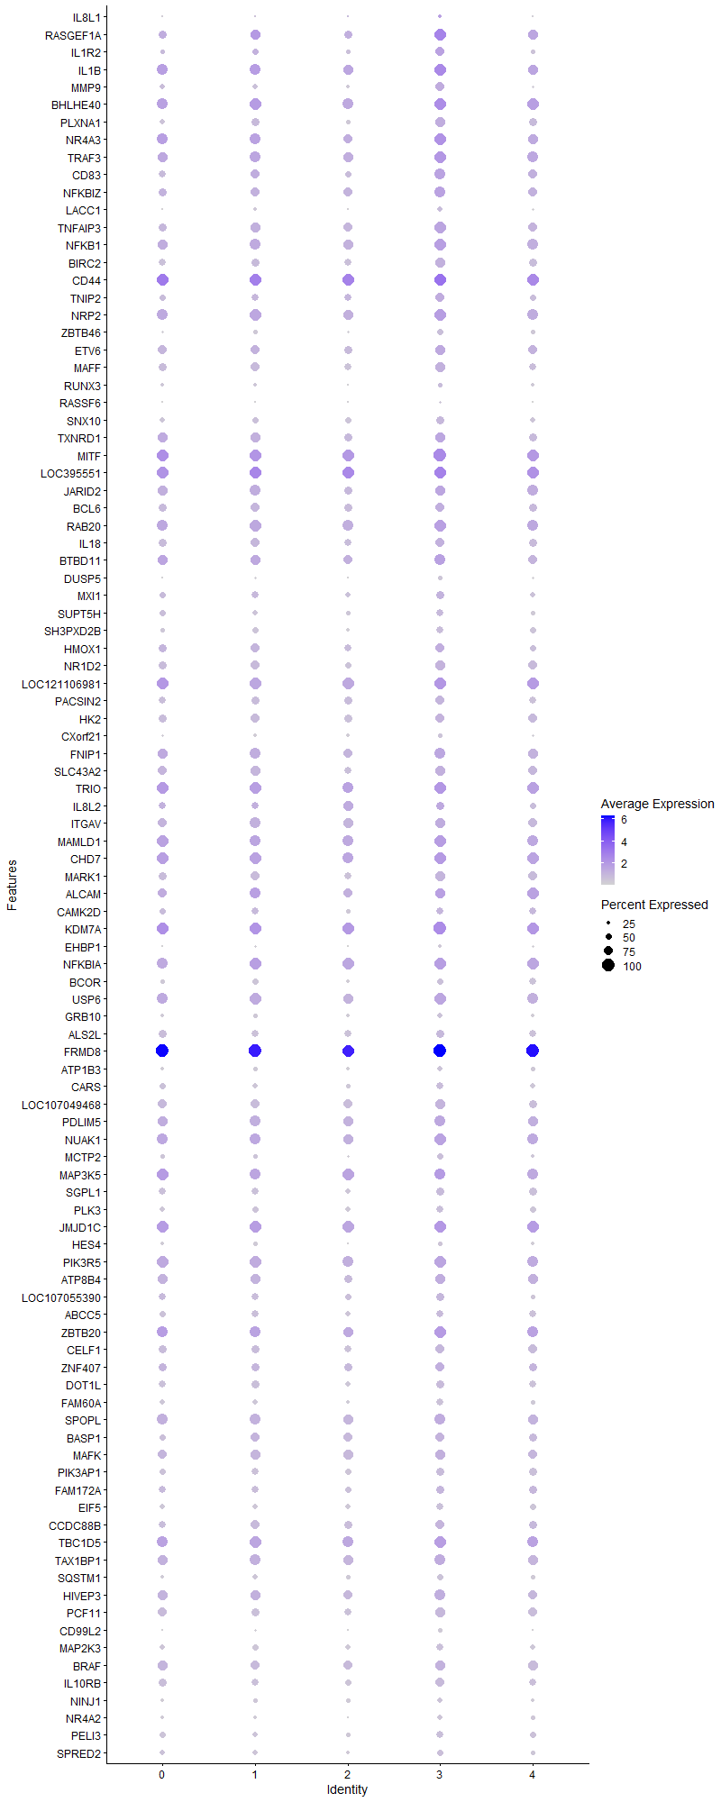
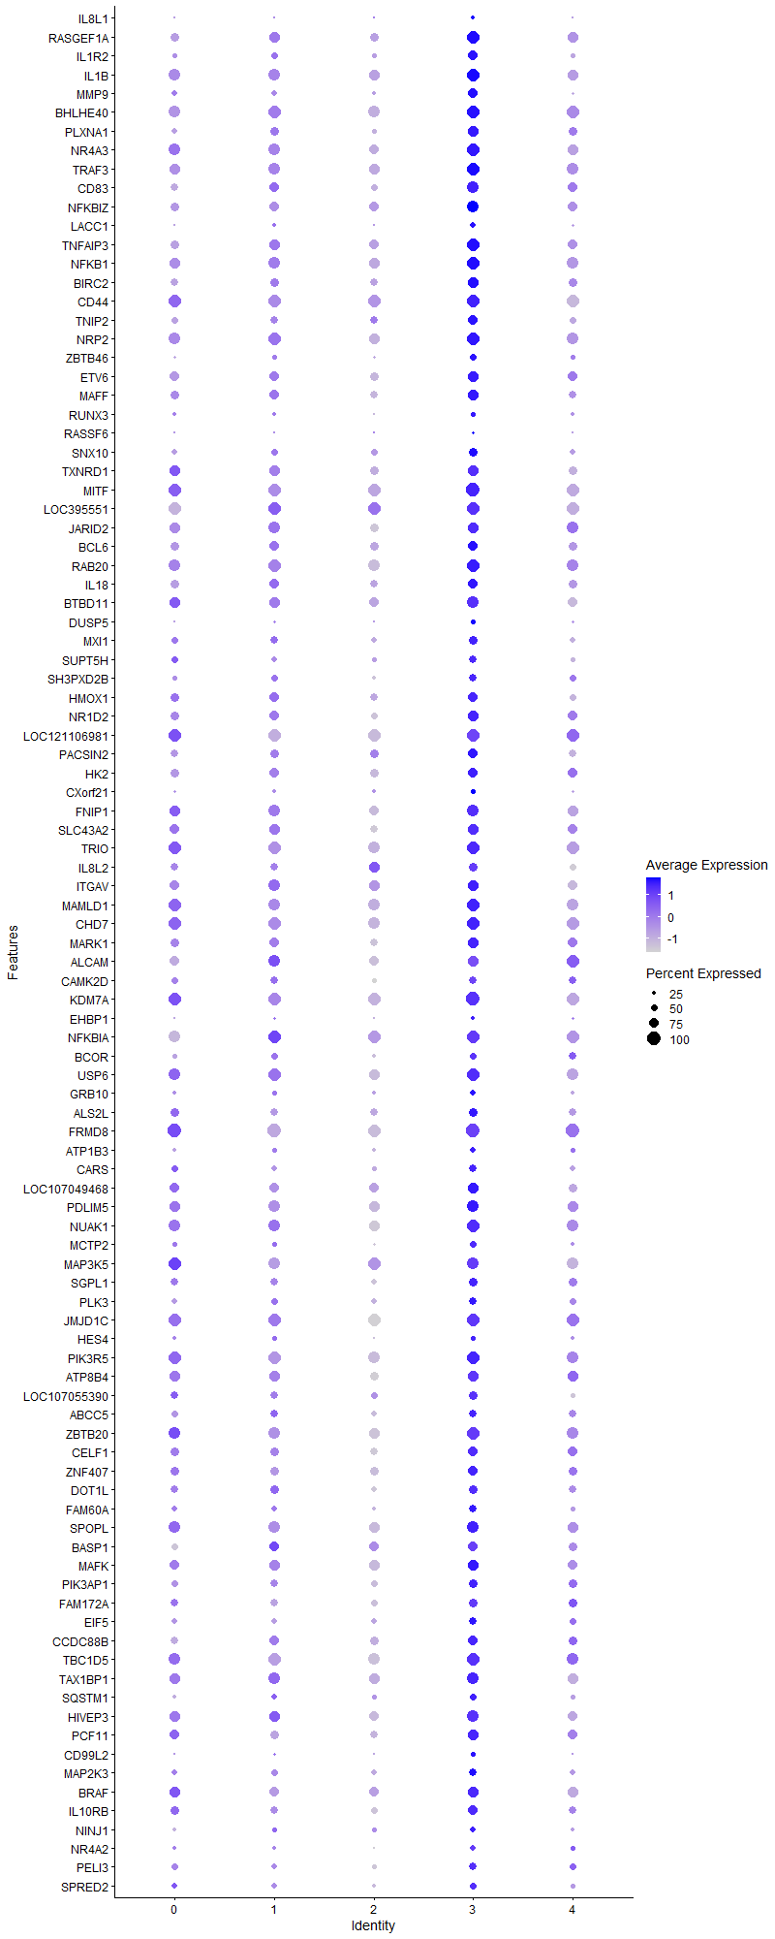
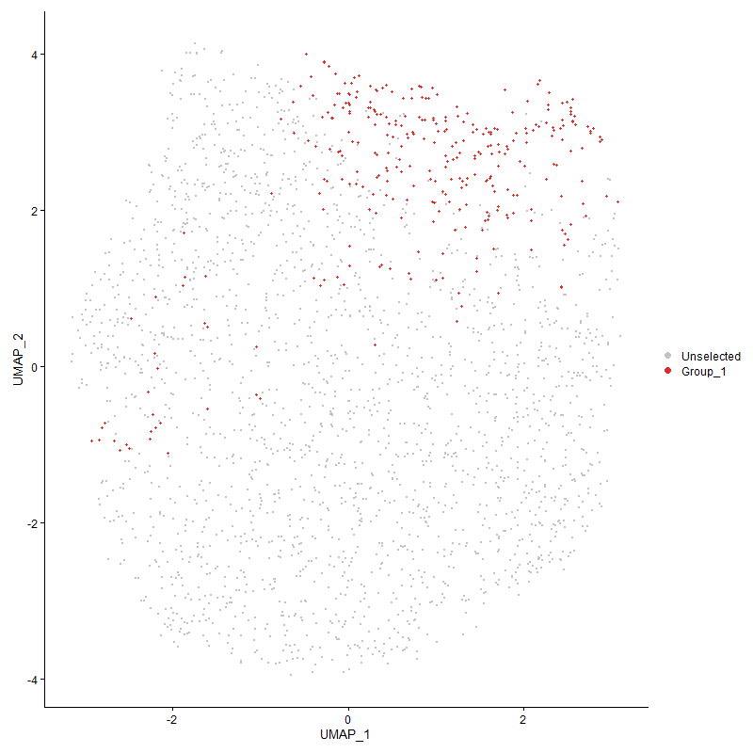
 | p_val | avg_log2FC | pct.1 | pct.2 | p_val_adj | cluster | gene
IL8L1 | 6.3638800727E-27 | 1.7395444089 | 0.279 | 0.084 | 9.7182812591E-23 | 3 | IL8L1
RASGEF1A1 | 2.7396493054E-75 | 1.6558035517 | 0.959 | 0.716 | 4.1837184542E-71 | 3 | RASGEF1A
IL1R2 | 5.7741840067E-36 | 1.1490708851 | 0.705 | 0.402 | 8.8177563966E-32 | 3 | IL1R2
IL1B | 4.4135864541E-77 | 1.141928619 | 0.994 | 0.876 | 6.739987874E-73 | 3 | IL1B
MMP9 | 4.7004236879E-47 | 1.0554752641 | 0.708 | 0.344 | 7.1780170138E-43 | 3 | MMP9
BHLHE40 | 1.5981500031E-55 | 0.96451958982 | 0.984 | 0.915 | 2.4405348697E-51 | 3 | BHLHE40
PLXNA1 | 4.3933626141E-48 | 0.93869267131 | 0.806 | 0.485 | 6.709104048E-44 | 3 | PLXNA1
NR4A3 | 6.4151372407E-32 | 0.89332451449 | 0.94 | 0.846 | 9.7965560803E-28 | 3 | NR4A3
TRAF3 | 2.9203347612E-43 | 0.88308016756 | 0.968 | 0.85 | 4.4596432139E-39 | 3 | TRAF3
CD831 | 4.6366157181E-38 | 0.86444102967 | 0.889 | 0.614 | 7.0805758631E-34 | 3 | CD83
NFKBIZ | 3.5177729566E-34 | 0.80006750411 | 0.902 | 0.713 | 5.3719910819E-30 | 3 | NFKBIZ
LACC1 | 2.2101944366E-26 | 0.7789104322 | 0.425 | 0.182 | 3.3751879242E-22 | 3 | LACC1
TNFAIP3 | 1.0466076689E-37 | 0.73014482096 | 0.937 | 0.73 | 1.5982745711E-33 | 3 | TNFAIP3
NFKB1 | 5.2419473758E-35 | 0.71735024424 | 0.956 | 0.828 | 8.0049778376E-31 | 3 | NFKB1
BIRC2 | 4.8487288962E-27 | 0.66214868944 | 0.797 | 0.624 | 7.4044938973E-23 | 3 | BIRC2
CD44 | 2.2874263379E-13 | 0.64170216623 | 0.981 | 0.98 | 3.4931287607E-09 | 3 | CD44
TNIP2 | 5.5410542896E-15 | 0.64082123536 | 0.705 | 0.541 | 8.4617440057E-11 | 3 | TNIP2
NRP2 | 1.3730736741E-23 | 0.61507610246 | 0.94 | 0.879 | 2.0968208078E-19 | 3 | NRP2
ZBTB46 | 5.1894082954E-19 | 0.57796677002 | 0.476 | 0.259 | 7.924745408E-15 | 3 | ZBTB46
ETV6 | 2.711604179E-18 | 0.57536011179 | 0.841 | 0.702 | 4.1408907418E-14 | 3 | ETV6
MAFF | 5.5965619934E-23 | 0.57067535549 | 0.819 | 0.643 | 8.5465098202E-19 | 3 | MAFF
RUNX3 | 4.3293920534E-09 | 0.55899234314 | 0.356 | 0.222 | 6.6114146047E-05 | 3 | RUNX3
RASSF6 | 1.691961823E-14 | 0.55388564954 | 0.175 | 0.058 | 2.5837948999E-10 | 3 | RASSF6
SNX10 | 1.2443338164E-12 | 0.53327326556 | 0.622 | 0.464 | 1.9002221711E-08 | 3 | SNX10
TXNRD11 | 1.2030100111E-12 | 0.52070372043 | 0.841 | 0.737 | 1.8371165879E-08 | 3 | TXNRD1
MITF | 1.3533418075E-18 | 0.50411146185 | 1 | 0.974 | 2.0666882742E-14 | 3 | MITF
LOC3955511 | 1.4300670445E-24 | 0.49892298261 | 0.994 | 0.961 | 2.1838553837E-20 | 3 | LOC395551
JARID2 | 1.3028347505E-10 | 0.49839927377 | 0.838 | 0.789 | 1.9895589475E-06 | 3 | JARID2
BCL6 | 5.0080049851E-09 | 0.49661694723 | 0.756 | 0.684 | 7.6477244128E-05 | 3 | BCL6
RAB20 | 3.6350897533E-17 | 0.47901375628 | 0.943 | 0.88 | 5.5511455623E-13 | 3 | RAB20
IL18 | 1.5120285651E-09 | 0.47492544094 | 0.746 | 0.645 | 2.3090188217E-05 | 3 | IL18
BTBD111 | 1.7493807792E-14 | 0.46877144756 | 0.886 | 0.789 | 2.6714793879E-10 | 3 | BTBD11
DUSP5 | 6.5648426176E-21 | 0.46875957731 | 0.349 | 0.147 | 1.0025171161E-16 | 3 | DUSP5
MXI1 | 8.0644290497E-11 | 0.46717457578 | 0.641 | 0.485 | 1.2315189602E-06 | 3 | MXI1
SUPT5H1 | 2.5741238879E-10 | 0.46599491891 | 0.565 | 0.421 | 3.9309445892E-06 | 3 | SUPT5H
SH3PXD2B | 1.2772991954E-13 | 0.45567948378 | 0.556 | 0.379 | 1.9505636013E-09 | 3 | SH3PXD2B
HMOX1 | 5.7700479248E-09 | 0.45265883639 | 0.762 | 0.632 | 8.811440186E-05 | 3 | HMOX1
NR1D2 | 1.7537109751E-17 | 0.44486333513 | 0.8 | 0.625 | 2.6780920301E-13 | 3 | NR1D2
LOC1211069811 | 3.0086598998E-19 | 0.43370546227 | 0.975 | 0.955 | 4.5945245331E-15 | 3 | LOC121106981
PACSIN2 | 3.6435720849E-09 | 0.41253604493 | 0.698 | 0.62 | 5.5640989308E-05 | 3 | PACSIN2
HK2 | 1.4897042843E-11 | 0.4120721838 | 0.765 | 0.686 | 2.2749274125E-07 | 3 | HK2
CXorf21 | 7.8213250782E-09 | 0.38737921949 | 0.365 | 0.23 | 0.00011943945527 | 3 | CXorf21
FNIP1 | 6.0672758216E-13 | 0.38695897625 | 0.892 | 0.804 | 9.2653369072E-09 | 3 | FNIP1
SLC43A2 | 7.8930155124E-09 | 0.38515779247 | 0.803 | 0.725 | 0.00012053423989 | 3 | SLC43A2
TRIO | 8.8619275442E-11 | 0.38271329084 | 0.984 | 0.942 | 1.3533049553E-06 | 3 | TRIO
IL8L21 | 0.00087838147386 | 0.3809343212 | 0.67 | 0.636 | 1 | 3 | IL8L2
ITGAV | 0.00059071070801 | 0.37769269825 | 0.778 | 0.803 | 1 | 3 | ITGAV
MAMLD1 | 4.8912413842E-11 | 0.37716035711 | 0.94 | 0.921 | 7.4694147178E-07 | 3 | MAMLD1
CHD7 | 5.5720640453E-12 | 0.37580951204 | 0.984 | 0.943 | 8.5090990036E-08 | 3 | CHD7
MARK1 | 6.7888043109E-11 | 0.37220294516 | 0.797 | 0.645 | 1.0367183063E-06 | 3 | MARK1
ALCAM1 | 9.7923724658E-08 | 0.36903783859 | 0.841 | 0.804 | 0.0014953931992 | 3 | ALCAM
CAMK2D | 0.00016661467066 | 0.36702769693 | 0.578 | 0.509 | 1 | 3 | CAMK2D
KDM7A1 | 2.1078306656E-15 | 0.36637510307 | 1 | 0.991 | 3.2188682094E-11 | 3 | KDM7A
EHBP1 | 9.5154524836E-11 | 0.36395176768 | 0.244 | 0.119 | 1.4531047488E-06 | 3 | EHBP1
NFKBIA1 | 9.0192987775E-13 | 0.36364431838 | 0.965 | 0.946 | 1.3773371163E-08 | 3 | NFKBIA
BCOR | 3.7771116477E-07 | 0.36057684606 | 0.495 | 0.371 | 0.0057680271972 | 3 | BCOR
USP6 | 2.32337807E-11 | 0.35307121244 | 0.933 | 0.89 | 3.5480306506E-07 | 3 | USP6
GRB10 | 1.2325722207E-08 | 0.34855674681 | 0.429 | 0.292 | 0.00018822610383 | 3 | GRB10
ALS2L | 4.1275149926E-07 | 0.34705182859 | 0.679 | 0.607 | 0.0063031281452 | 3 | ALS2L
FRMD81 | 4.9456862216E-45 | 0.34671116506 | 1 | 1 | 7.5525574291E-41 | 3 | FRMD8
ATP1B3 | 2.9464054812E-10 | 0.34619219096 | 0.438 | 0.291 | 4.4994558104E-06 | 3 | ATP1B3
CARS | 7.2576768201E-10 | 0.34260138035 | 0.584 | 0.444 | 1.1083198272E-05 | 3 | CARS
LOC107049468 | 5.4871283167E-11 | 0.33833998179 | 0.787 | 0.695 | 8.3793936525E-07 | 3 | LOC107049468
PDLIM5 | 9.5013822542E-09 | 0.33685699439 | 0.892 | 0.832 | 0.0001450956084 | 3 | PDLIM5
NUAK1 | 5.7910450965E-10 | 0.3346386898 | 0.937 | 0.882 | 8.8435049669E-06 | 3 | NUAK1
MCTP2 | 4.1999349377E-11 | 0.33461787636 | 0.502 | 0.316 | 6.4137206433E-07 | 3 | MCTP2
MAP3K51 | 3.6422551427E-06 | 0.33152009356 | 0.908 | 0.923 | 0.055620878284 | 3 | MAP3K5
SGPL1 | 9.4761670862E-08 | 0.32972387527 | 0.644 | 0.541 | 0.0014471054757 | 3 | SGPL1
PLK3 | 1.7461261497E-08 | 0.32943361878 | 0.587 | 0.461 | 0.00026665092432 | 3 | PLK3
JMJD1C | 1.9827591924E-12 | 0.32865935557 | 0.994 | 0.983 | 3.0278715626E-08 | 3 | JMJD1C
HES4 | 1.5524846156E-07 | 0.32767277051 | 0.365 | 0.24 | 0.0023707992564 | 3 | HES4
PIK3R5 | 5.1835982052E-12 | 0.32657449195 | 0.949 | 0.931 | 7.9158728192E-08 | 3 | PIK3R5
ATP8B4 | 3.1073879905E-07 | 0.32361564243 | 0.819 | 0.771 | 0.0047452922003 | 3 | ATP8B4
LOC107055390 | 3.3336168254E-05 | 0.32110790176 | 0.622 | 0.545 | 0.50907662541 | 3 | LOC107055390
ABCC5 | 0.0001394321244 | 0.31450206732 | 0.587 | 0.516 | 1 | 3 | ABCC5
ZBTB201 | 1.8430692841E-08 | 0.31226885098 | 0.924 | 0.876 | 0.00028145511037 | 3 | ZBTB20
CELF1 | 1.0946485074E-05 | 0.31168673757 | 0.721 | 0.645 | 0.16716377356 | 3 | CELF1
ZNF407 | 0.00015602924618 | 0.3115771644 | 0.698 | 0.646 | 1 | 3 | ZNF407
DOT1L | 3.8947886497E-09 | 0.31050691581 | 0.673 | 0.544 | 5.9477317469E-05 | 3 | DOT1L
FAM60A | 9.9568647787E-13 | 0.30412723254 | 0.578 | 0.385 | 1.5205128204E-08 | 3 | FAM60A
SPOPL | 5.4113702257E-12 | 0.30409443591 | 0.921 | 0.847 | 8.2637034717E-08 | 3 | SPOPL
BASP11 | 0.0035080932864 | 0.30177301811 | 0.695 | 0.656 | 1 | 3 | BASP1
MAFK | 1.5204886162E-07 | 0.30098204916 | 0.825 | 0.776 | 0.0023219381658 | 3 | MAFK
PIK3AP1 | 3.5715825306E-09 | 0.29905346482 | 0.651 | 0.527 | 5.4541636825E-05 | 3 | PIK3AP1
FAM172A | 0.00025885943089 | 0.29733669431 | 0.635 | 0.559 | 1 | 3 | FAM172A
EIF5 | 4.8155200496E-10 | 0.29560620749 | 0.59 | 0.426 | 7.3537806677E-06 | 3 | EIF5
CCDC88B | 0.0011755506525 | 0.29359264302 | 0.695 | 0.664 | 1 | 3 | CCDC88B
TBC1D5 | 6.8414126821E-07 | 0.29246206408 | 0.93 | 0.904 | 0.010447521307 | 3 | TBC1D5
TAX1BP1 | 3.0739864118E-08 | 0.29167590722 | 0.867 | 0.856 | 0.00046942846494 | 3 | TAX1BP1
SQSTM1 | 9.6291016664E-09 | 0.29096503272 | 0.502 | 0.349 | 0.00014704601155 | 3 | SQSTM1
HIVEP3 | 1.1905211019E-07 | 0.29047193421 | 0.848 | 0.781 | 0.0018180447748 | 3 | HIVEP3
PCF11 | 1.5230928236E-10 | 0.28939150906 | 0.803 | 0.669 | 2.325915051E-06 | 3 | PCF11
CD99L2 | 1.1253495968E-13 | 0.2873050926 | 0.314 | 0.148 | 1.7185213693E-09 | 3 | CD99L2
MAP2K3 | 2.1044066169E-08 | 0.28639610789 | 0.578 | 0.453 | 0.00032136393447 | 3 | MAP2K3
BRAF | 1.9875959067E-06 | 0.28553548762 | 0.794 | 0.749 | 0.030352577092 | 3 | BRAF
IL10RB | 1.1842253434E-08 | 0.2842629618 | 0.714 | 0.572 | 0.00018084305219 | 3 | IL10RB
NINJ1 | 1.3198290195E-05 | 0.28391095759 | 0.413 | 0.318 | 0.20155108957 | 3 | NINJ1
NR4A2 | 2.3858130165E-09 | 0.28306179294 | 0.406 | 0.257 | 3.6433750575E-05 | 3 | NR4A2
PELI3 | 1.1012991784E-06 | 0.28213049712 | 0.562 | 0.444 | 0.016817939754 | 3 | PELI3
SPRED2 | 1.2164065801E-05 | 0.27458295692 | 0.498 | 0.382 | 0.18575744884 | 3 | SPRED2
IRF2 | 1.029831218E-06 | 0.27443916911 | 0.743 | 0.66 | 0.01572655253 | 3 | IRF2
CCSER1 | 0.00027750042294 | 0.2724141654 | 0.752 | 0.729 | 1 | 3 | CCSER1
IGSF3 | 2.5205508194E-12 | 0.27206905582 | 0.273 | 0.124 | 3.8491331563E-08 | 3 | IGSF3
HIVEP1 | 6.2077207366E-07 | 0.26921528374 | 0.892 | 0.826 | 0.0094798103368 | 3 | HIVEP1
RPS6KB1 | 3.947965253E-05 | 0.26841579875 | 0.619 | 0.544 | 0.60289377379 | 3 | RPS6KB1
RASA21 | 2.237466166E-06 | 0.26406482285 | 0.829 | 0.749 | 0.03416834582 | 3 | RASA2
KIAA0930 | 0.0055317805396 | 0.2639692829 | 0.667 | 0.655 | 1 | 3 | KIAA0930
MACF1 | 2.1286037442E-06 | 0.26291483262 | 0.743 | 0.664 | 0.032505907778 | 3 | MACF1
EZH2 | 0.0092966538147 | 0.26170722083 | 0.508 | 0.471 | 1 | 3 | EZH2
HES1 | 1.4744258862E-05 | 0.25988519173 | 0.508 | 0.398 | 0.22515957708 | 3 | HES1
RNF130 | 2.1071389091E-05 | 0.25834341771 | 0.708 | 0.614 | 0.32178118281 | 3 | RNF130
PREX1 | 2.6378975724E-05 | 0.2582288532 | 0.879 | 0.852 | 0.40283333828 | 3 | PREX1
HELZ | 4.9309553657E-06 | 0.25795639375 | 0.66 | 0.553 | 0.07530061939 | 3 | HELZ
LOC112530071 | 5.7802286664E-15 | 0.25536765914 | 0.26 | 0.106 | 8.8269871965E-11 | 3 | LOC112530071
MXD4 | 0.00022942222823 | 0.25186980166 | 0.74 | 0.711 | 1 | 3 | MXD4
ABCC1 | 6.8350466624E-06 | 0.25080408762 | 0.587 | 0.481 | 0.10437799758 | 3 | ABCC1

Cluster4
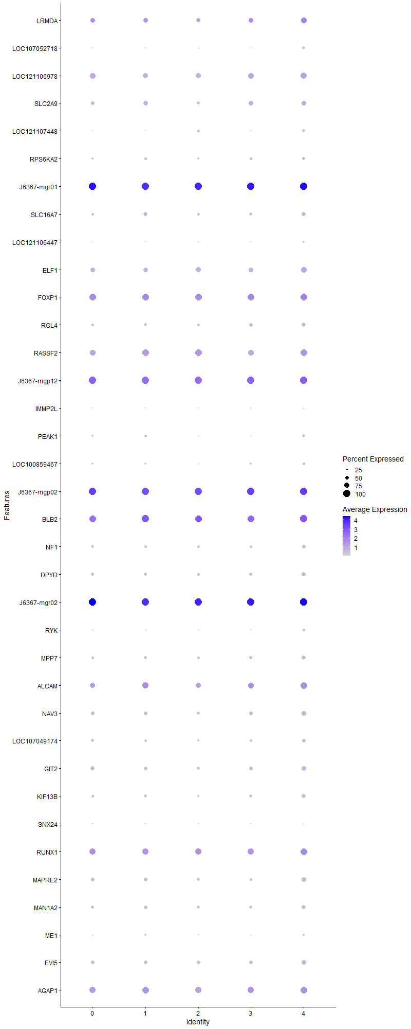
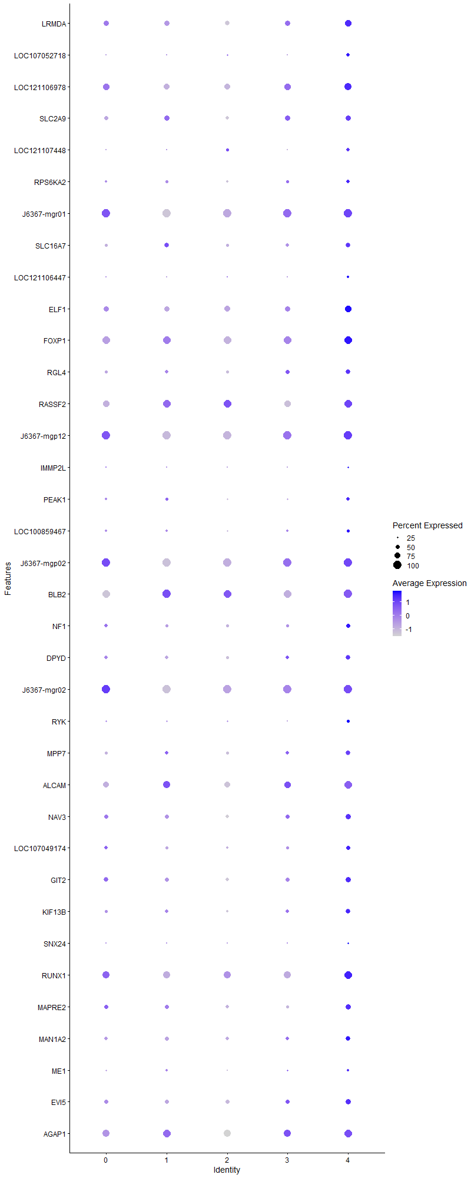
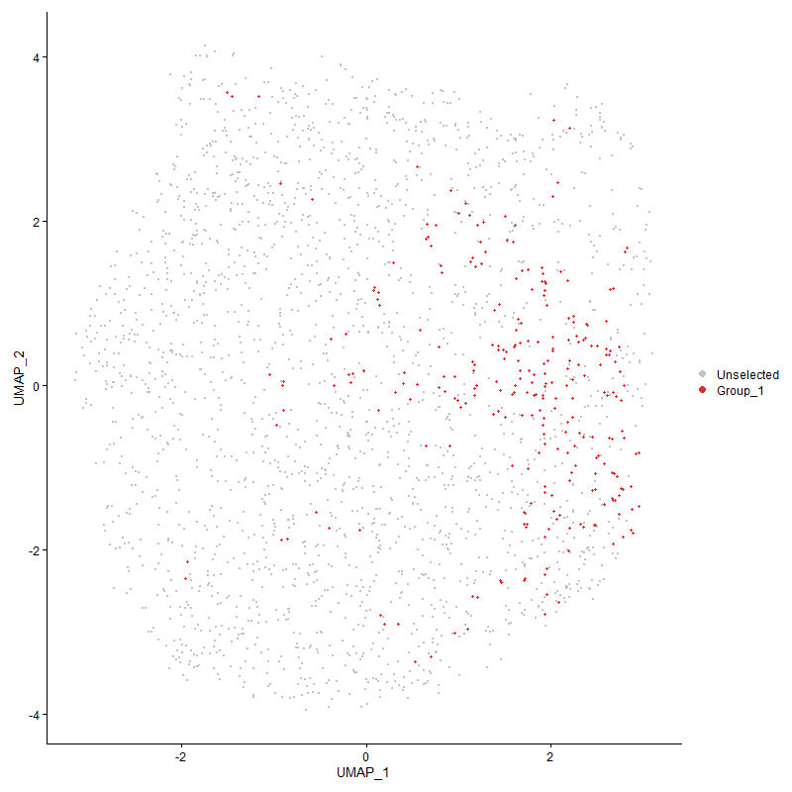
 | p_val | avg_log2FC | pct.1 | pct.2 | p_val_adj | cluster | gene
LRMDA | 1.446535511E-09 | 0.52678399691 | 0.811 | 0.667 | 2.2090043788E-05 | 4 | LRMDA
LOC107052718 | 3.0838396027E-26 | 0.39894657486 | 0.411 | 0.151 | 4.7093314572E-22 | 4 | LOC107052718
LOC121106978 | 6.9217309728E-14 | 0.37051575779 | 0.878 | 0.769 | 1.0570175369E-09 | 4 | LOC121106978
SLC2A9 | 2.3796310658E-07 | 0.36280754051 | 0.663 | 0.541 | 0.0036339346007 | 4 | SLC2A9
LOC1211074481 | 3.428415755E-18 | 0.35001841327 | 0.419 | 0.183 | 5.2355336995E-14 | 4 | LOC121107448
RPS6KA2 | 1.0988508644E-06 | 0.34793190315 | 0.463 | 0.318 | 0.016780551551 | 4 | RPS6KA2
J6367-mgr011 | 6.4240004637E-16 | 0.34106261083 | 1 | 1 | 9.8100911081E-12 | 4 | J6367-mgr01
SLC16A71 | 2.4125434343E-07 | 0.3353680514 | 0.589 | 0.438 | 0.0036841950785 | 4 | SLC16A7
LOC121106447 | 1.1701663038E-31 | 0.33204231122 | 0.311 | 0.08 | 1.7869609625E-27 | 4 | LOC121106447
ELF1 | 7.167260704E-08 | 0.32073633415 | 0.785 | 0.69 | 0.0010945123821 | 4 | ELF1
FOXP1 | 4.3536219628E-12 | 0.31882754191 | 0.981 | 0.979 | 6.6484160994E-08 | 4 | FOXP1
RGL4 | 2.2614297471E-10 | 0.3180119051 | 0.581 | 0.396 | 3.4534293667E-06 | 4 | RGL4
RASSF21 | 6.1293588347E-11 | 0.30221271177 | 0.959 | 0.883 | 9.3601438765E-07 | 4 | RASSF2
J6367-mgp121 | 5.8636046881E-16 | 0.29811760014 | 1 | 1 | 8.9543107192E-12 | 4 | J6367-mgp12
IMMP2L | 0.0029183318955 | 0.29809576966 | 0.244 | 0.172 | 1 | 4 | IMMP2L
PEAK1 | 1.9293081915E-07 | 0.2914536064 | 0.426 | 0.285 | 0.0029462465392 | 4 | PEAK1
LOC100859467 | 3.0673407667E-05 | 0.29114001113 | 0.381 | 0.281 | 0.46841360849 | 4 | LOC100859467
J6367-mgp021 | 2.9983517821E-15 | 0.29064537038 | 1 | 1 | 4.5787830065E-11 | 4 | J6367-mgp02
BLB22 | 1.5375784191E-15 | 0.28350668858 | 1 | 0.994 | 2.3480360037E-11 | 4 | BLB2
NF1 | 8.864471827E-08 | 0.28339780761 | 0.515 | 0.366 | 0.0013536934927 | 4 | NF1
DPYD | 1.8458118645E-06 | 0.28151107453 | 0.593 | 0.436 | 0.028187392983 | 4 | DPYD
J6367-mgr021 | 6.2181448704E-12 | 0.28049778168 | 1 | 1 | 9.4957290316E-08 | 4 | J6367-mgr02
RYK | 3.5179658566E-10 | 0.28046909174 | 0.344 | 0.191 | 5.3722856596E-06 | 4 | RYK
MPP7 | 1.6075184112E-09 | 0.27659304984 | 0.589 | 0.391 | 2.4548413657E-05 | 4 | MPP7
ALCAM2 | 2.2400294046E-07 | 0.27639261105 | 0.933 | 0.793 | 0.0034207489037 | 4 | ALCAM
NAV3 | 9.3506000968E-08 | 0.27605067501 | 0.644 | 0.483 | 0.0014279301408 | 4 | NAV3
LOC107049174 | 7.2927497549E-06 | 0.26632710666 | 0.485 | 0.375 | 0.11136758151 | 4 | LOC107049174
GIT2 | 1.7893606291E-07 | 0.26564026544 | 0.641 | 0.522 | 0.0027325326168 | 4 | GIT2
KIF13B | 4.103551739E-11 | 0.26453318729 | 0.6 | 0.397 | 6.2665338606E-07 | 4 | KIF13B
SNX24 | 3.2665323205E-09 | 0.26343597884 | 0.226 | 0.104 | 4.9883215067E-05 | 4 | SNX24
RUNX1 | 0.0003685863471 | 0.2627691539 | 0.933 | 0.899 | 1 | 4 | RUNX1
MAPRE2 | 4.5829006424E-08 | 0.25696749304 | 0.63 | 0.467 | 0.0006998547571 | 4 | MAPRE2
MAN1A2 | 8.2625590721E-05 | 0.25660402615 | 0.574 | 0.472 | 1 | 4 | MAN1A2
ME1 | 0.0016091912354 | 0.25612434774 | 0.296 | 0.22 | 1 | 4 | ME1
EVI5 | 1.3427807083E-08 | 0.25444971605 | 0.689 | 0.517 | 0.00020505604197 | 4 | EVI5
AGAP1 | 1.3050799024E-07 | 0.25359409718 | 0.959 | 0.901 | 0.0019929875189 | 4 | AGAP1

