Clustered cells
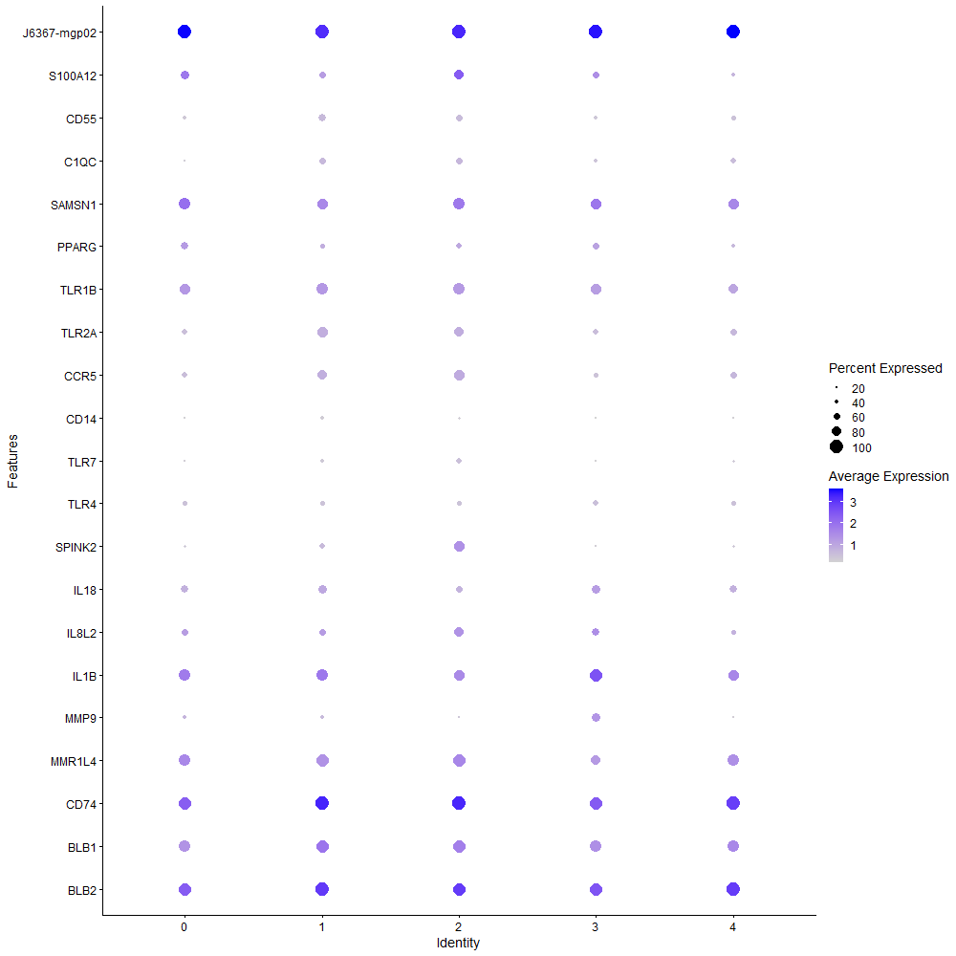
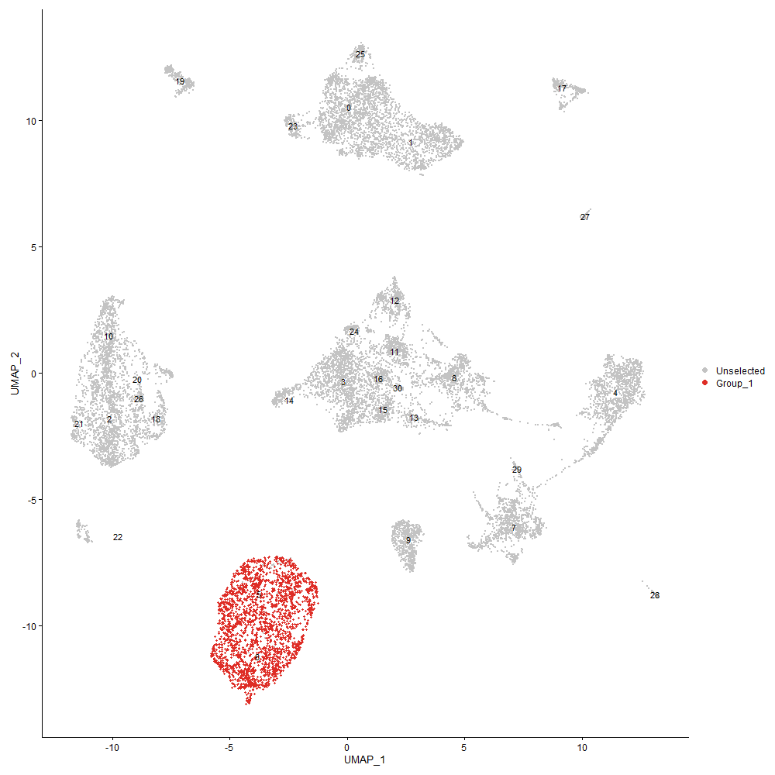
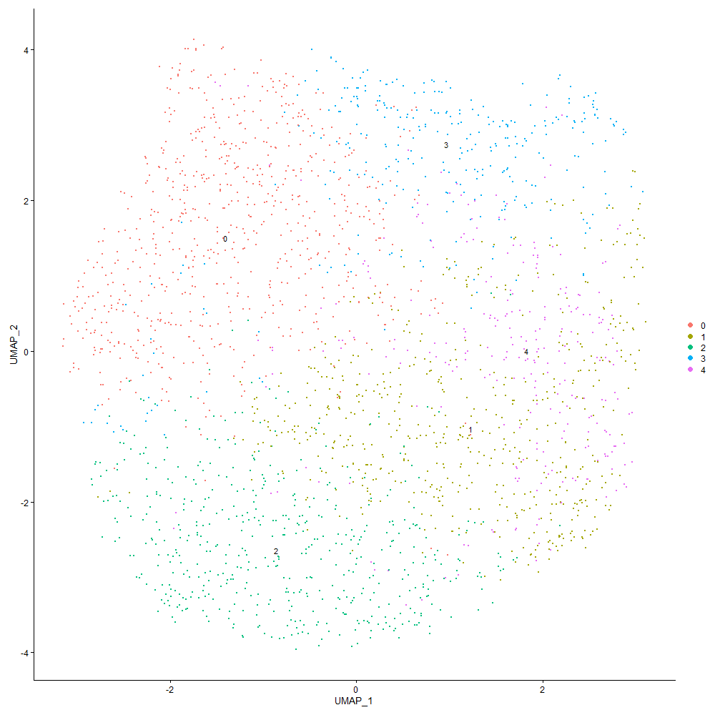
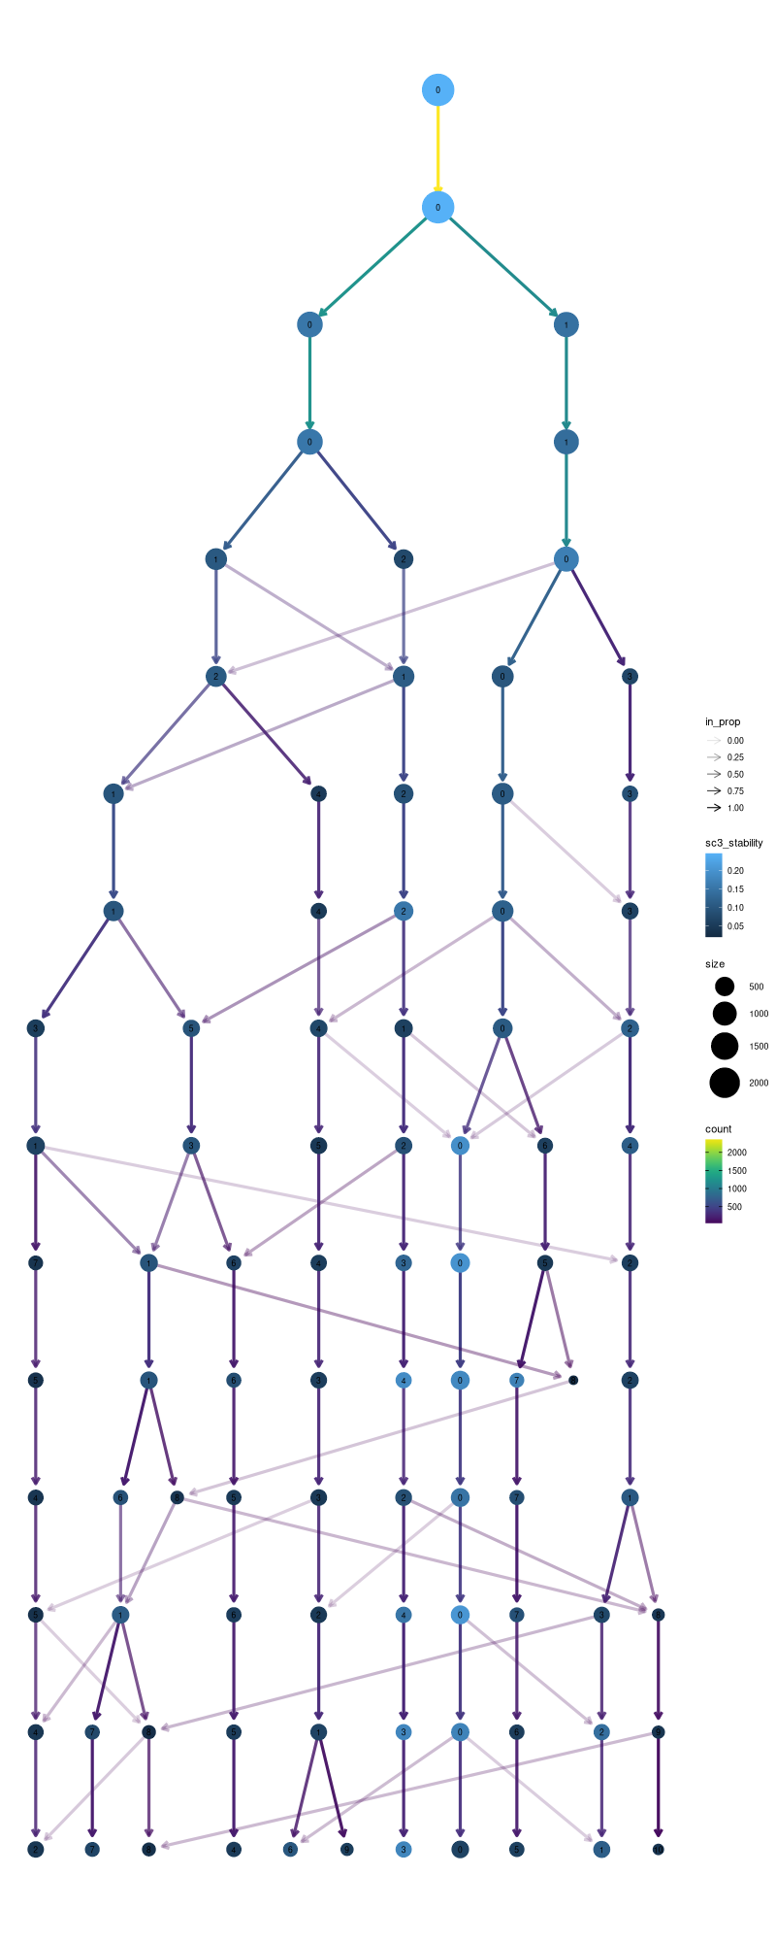

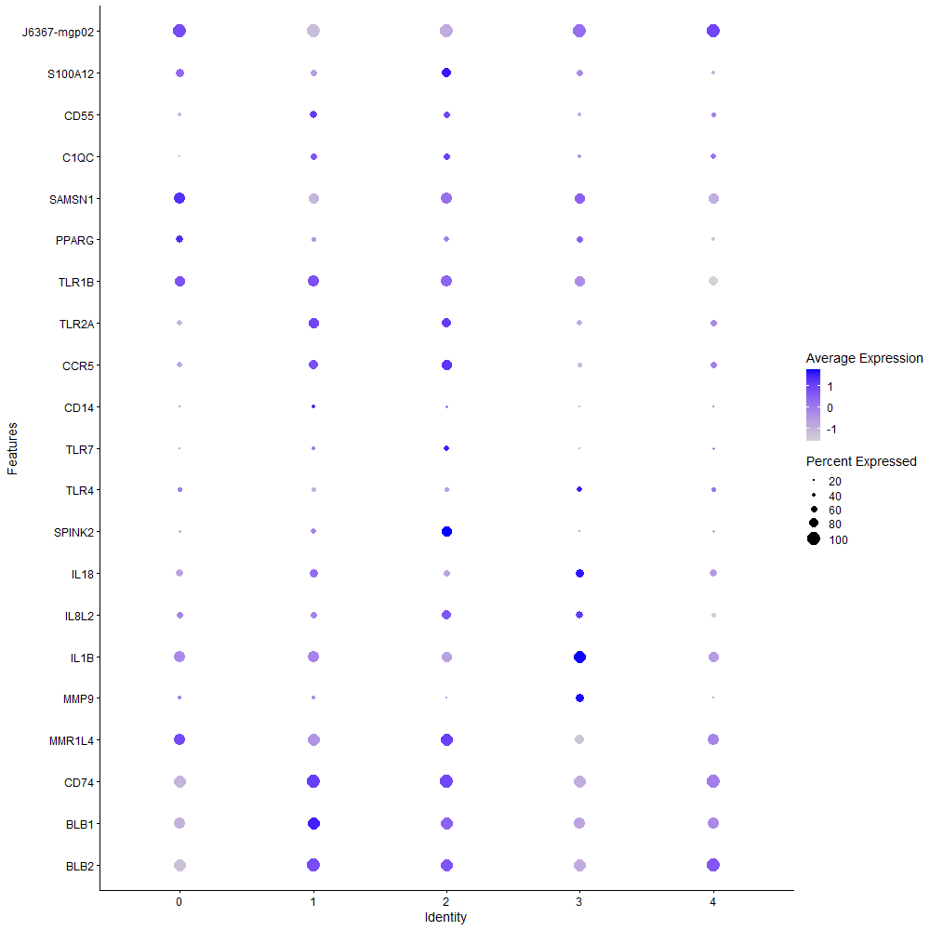
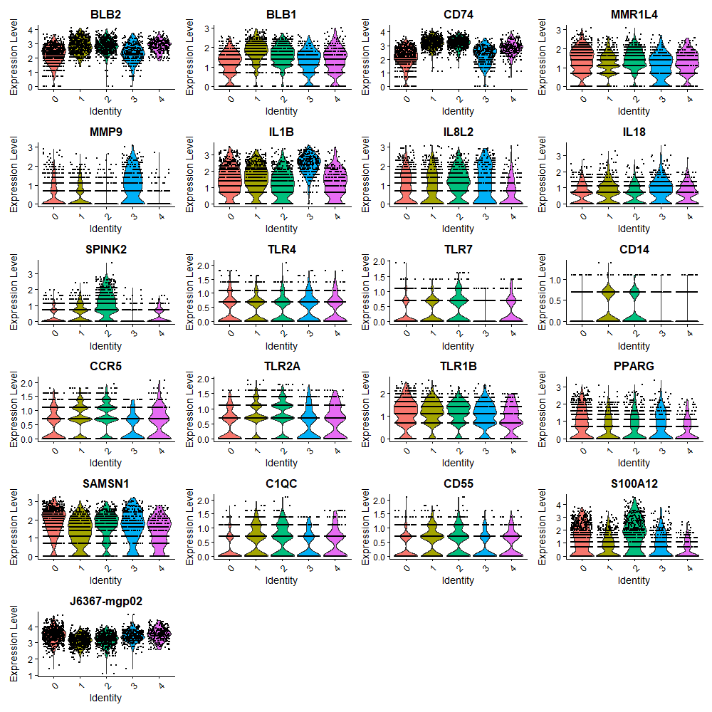

Cluster0
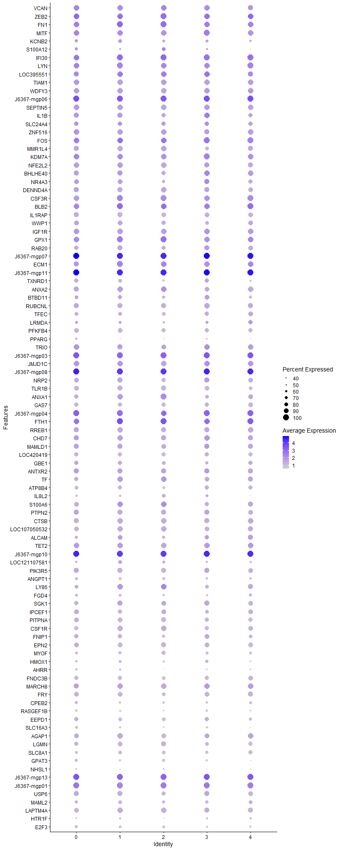
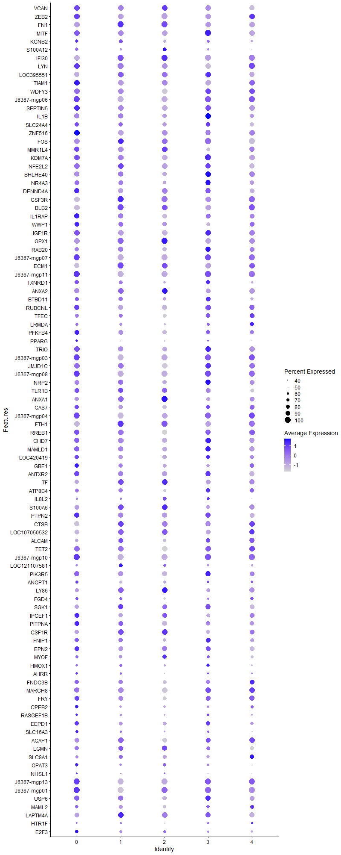
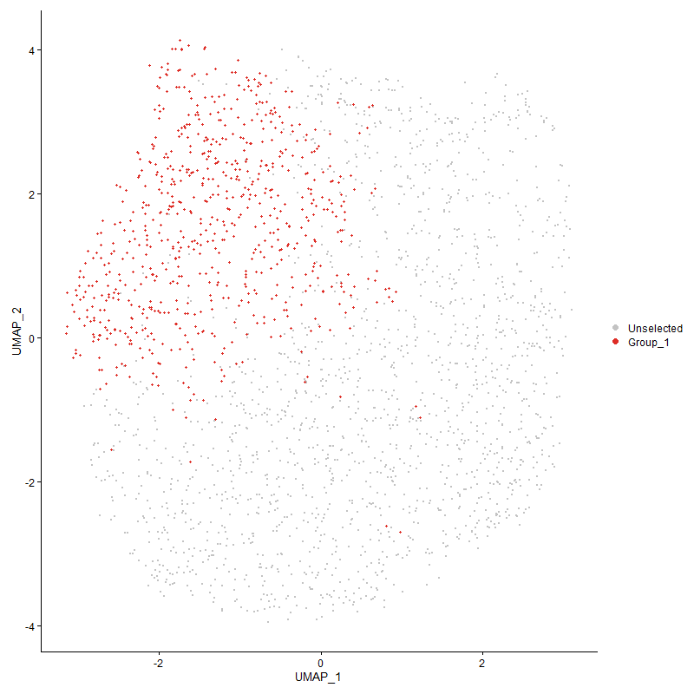
 | p_val | avg_log2FC | pct.1 | pct.2 | p_val_adj | cluster | gene
VCAN | 0 | 2.1877737157 | 0.963 | 0.109 | 0 | 0 | VCAN
ZEB2 | 0 | 2.0043027715 | 0.993 | 0.266 | 0 | 0 | ZEB2
FN1 | 0 | 1.9606221735 | 0.99 | 0.123 | 0 | 0 | FN1
MITF | 0 | 1.8423185361 | 0.969 | 0.252 | 0 | 0 | MITF
KCNB2 | 0 | 1.8130518378 | 0.717 | 0.07 | 0 | 0 | KCNB2
S100A12 | 0 | 1.7655092605 | 0.679 | 0.079 | 0 | 0 | S100A12
IFI30 | 0 | 1.7589796736 | 0.996 | 0.461 | 0 | 0 | IFI30
LYN | 0 | 1.669788541 | 0.985 | 0.326 | 0 | 0 | LYN
LOC395551 | 0 | 1.6456710566 | 0.903 | 0.168 | 0 | 0 | LOC395551
TIAM1 | 0 | 1.637169878 | 0.968 | 0.192 | 0 | 0 | TIAM1
WDFY3 | 0 | 1.6293864524 | 0.955 | 0.105 | 0 | 0 | WDFY3
J6367-mgp06 | 0 | 1.6014655296 | 1 | 0.974 | 0 | 0 | J6367-mgp06
SEPTIN5 | 0 | 1.5807684776 | 0.954 | 0.201 | 0 | 0 | SEPTIN5
IL1B | 0 | 1.5744185488 | 0.84 | 0.115 | 0 | 0 | IL1B
SLC24A4 | 4.0689008724E-217 | 1.5719055419 | 0.769 | 0.274 | 6.2136185223E-213 | 0 | SLC24A4
ZNF516 | 0 | 1.5476221267 | 0.956 | 0.243 | 0 | 0 | ZNF516
FOS | 1.3323218912E-304 | 1.5110893456 | 0.993 | 0.538 | 2.03458876E-300 | 0 | FOS
MMR1L4 | 0 | 1.4910471468 | 0.886 | 0.094 | 0 | 0 | MMR1L4
KDM7A | 1.2919360758E-306 | 1.4871977949 | 0.982 | 0.524 | 1.9729155814E-302 | 0 | KDM7A
NFE2L2 | 0 | 1.4672752196 | 0.935 | 0.149 | 0 | 0 | NFE2L2
BHLHE40 | 0 | 1.399117871 | 0.865 | 0.168 | 0 | 0 | BHLHE40
NR4A3 | 0 | 1.3855743679 | 0.821 | 0.211 | 0 | 0 | NR4A3
DENND4A | 0 | 1.3764483291 | 0.906 | 0.206 | 0 | 0 | DENND4A
CSF3R | 0 | 1.3683749496 | 0.961 | 0.139 | 0 | 0 | CSF3R
BLB2 | 0 | 1.3571028316 | 0.977 | 0.307 | 0 | 0 | BLB2
IL1RAP | 0 | 1.3357011047 | 0.882 | 0.106 | 0 | 0 | IL1RAP
WWP1 | 0 | 1.33052393 | 0.847 | 0.239 | 0 | 0 | WWP1
IGF1R | 0 | 1.3256820353 | 0.954 | 0.33 | 0 | 0 | IGF1R
GPX1 | 9.1282466705E-252 | 1.2954137191 | 0.927 | 0.429 | 1.393974549E-247 | 0 | GPX1
RAB20 | 0 | 1.2864833016 | 0.792 | 0.113 | 0 | 0 | RAB20
J6367-mgp07 | 0 | 1.2812548836 | 1 | 1 | 0 | 0 | J6367-mgp07
ECM1 | 0 | 1.280084547 | 0.928 | 0.17 | 0 | 0 | ECM1
J6367-mgp11 | 0 | 1.2794464697 | 1 | 1 | 0 | 0 | J6367-mgp11
TXNRD1 | 0 | 1.2793408567 | 0.745 | 0.1 | 0 | 0 | TXNRD1
ANXA2 | 0 | 1.2771097659 | 0.887 | 0.15 | 0 | 0 | ANXA2
BTBD11 | 0 | 1.2750613634 | 0.75 | 0.177 | 0 | 0 | BTBD11
RUBCNL | 0 | 1.2697056794 | 0.9 | 0.2 | 0 | 0 | RUBCNL
TFEC | 0 | 1.2574315146 | 0.738 | 0.079 | 0 | 0 | TFEC
LRMDA | 1.8453713721E-283 | 1.2287769591 | 0.64 | 0.137 | 2.8180666224E-279 | 0 | LRMDA
PFKFB4 | 0 | 1.2204800188 | 0.814 | 0.096 | 0 | 0 | PFKFB4
PPARG | 0 | 1.2044569712 | 0.606 | 0.047 | 0 | 0 | PPARG
TRIO | 9.3105584804E-225 | 1.1828363334 | 0.92 | 0.417 | 1.4218153855E-220 | 0 | TRIO
J6367-mgp03 | 4.5392458574E-296 | 1.1667981665 | 1 | 0.988 | 6.9318823489E-292 | 0 | J6367-mgp03
JMJD1C | 3.6889285653E-243 | 1.1320171316 | 0.955 | 0.489 | 5.6333628121E-239 | 0 | JMJD1C
J6367-mgp08 | 2.055027994E-295 | 1.1319459441 | 1 | 0.999 | 3.1382332496E-291 | 0 | J6367-mgp08
NRP2 | 0 | 1.1291120833 | 0.793 | 0.176 | 0 | 0 | NRP2
TLR1B | 0 | 1.1256998598 | 0.782 | 0.118 | 0 | 0 | TLR1B
ANXA1 | 0 | 1.1205785503 | 0.805 | 0.116 | 0 | 0 | ANXA1
GAS7 | 0 | 1.1204893879 | 0.758 | 0.121 | 0 | 0 | GAS7
J6367-mgp04 | 1.5443395044E-269 | 1.1114988174 | 1 | 0.974 | 2.3583608571E-265 | 0 | J6367-mgp04
FTH1 | 3.7013850312E-213 | 1.1034886039 | 0.968 | 0.582 | 5.6523850811E-209 | 0 | FTH1
RREB1 | 0 | 1.100248401 | 0.913 | 0.282 | 0 | 0 | RREB1
CHD7 | 1.0939587395E-229 | 1.0960140181 | 0.913 | 0.409 | 1.670584391E-225 | 0 | CHD7
MAMLD1 | 1.0076345061E-234 | 1.0948648511 | 0.861 | 0.32 | 1.5387586542E-230 | 0 | MAMLD1
LOC420419 | 0 | 1.091931707 | 0.762 | 0.143 | 0 | 0 | LOC420419
GBE1 | 3.7150119246E-229 | 1.08785076 | 0.733 | 0.225 | 5.67319471E-225 | 0 | GBE1
ANTXR2 | 1.2721343645E-204 | 1.0766712321 | 0.909 | 0.419 | 1.942676388E-200 | 0 | ANTXR2
TF | 0 | 1.0751847873 | 0.809 | 0.112 | 0 | 0 | TF
ATP8B4 | 0 | 1.0737632634 | 0.695 | 0.073 | 0 | 0 | ATP8B4
IL8L2 | 0 | 1.0735802258 | 0.544 | 0.066 | 0 | 0 | IL8L2
S100A6 | 0 | 1.0714441284 | 0.821 | 0.111 | 0 | 0 | S100A6
PTPN2 | 2.7678624633E-240 | 1.0674521712 | 0.889 | 0.382 | 4.2268027677E-236 | 0 | PTPN2
CTSB | 0 | 1.0670099668 | 0.845 | 0.168 | 0 | 0 | CTSB
LOC107050532 | 0 | 1.0540272136 | 0.796 | 0.117 | 0 | 0 | LOC107050532
ALCAM | 0 | 1.0400965685 | 0.644 | 0.114 | 0 | 0 | ALCAM
TET2 | 3.7842035659E-210 | 1.0384180814 | 0.928 | 0.423 | 5.7788572654E-206 | 0 | TET2
J6367-mgp10 | 3.8208368883E-267 | 1.0354983462 | 1 | 0.999 | 5.8348000122E-263 | 0 | J6367-mgp10
LOC121107581 | 0 | 1.033883083 | 0.567 | 0.075 | 0 | 0 | LOC121107581
PIK3R5 | 0 | 1.0271661928 | 0.918 | 0.317 | 0 | 0 | PIK3R5
ANGPT1 | 0 | 1.0267062205 | 0.624 | 0.073 | 0 | 0 | ANGPT1
LY86 | 0 | 1.0258970686 | 0.751 | 0.103 | 0 | 0 | LY86
FGD4 | 0 | 1.0119477967 | 0.612 | 0.094 | 0 | 0 | FGD4
SGK1 | 0 | 1.0107547241 | 0.747 | 0.127 | 0 | 0 | SGK1
IPCEF1 | 1.4887580992E-266 | 0.99012797762 | 0.827 | 0.248 | 2.2734824933E-262 | 0 | IPCEF1
PITPNA | 1.044961461E-271 | 0.98133609196 | 0.81 | 0.25 | 1.5957606472E-267 | 0 | PITPNA
CSF1R | 0 | 0.9752652328 | 0.797 | 0.096 | 0 | 0 | CSF1R
FNIP1 | 8.7502094194E-205 | 0.96895528814 | 0.745 | 0.26 | 1.3362444804E-200 | 0 | FNIP1
EPN2 | 2.0171668275E-229 | 0.95410227333 | 0.82 | 0.308 | 3.0804154623E-225 | 0 | EPN2
MYOF | 0 | 0.95331437339 | 0.62 | 0.069 | 0 | 0 | MYOF
HMOX1 | 0 | 0.94850057358 | 0.541 | 0.062 | 0 | 0 | HMOX1
AHRR | 0 | 0.93323718627 | 0.557 | 0.05 | 0 | 0 | AHRR
FNDC3B | 0 | 0.93080509409 | 0.754 | 0.146 | 0 | 0 | FNDC3B
MARCH8 | 3.5213388927E-185 | 0.92604142181 | 0.886 | 0.392 | 5.3774366231E-181 | 0 | MARCH8
FRY | 6.1605075194E-261 | 0.92105534321 | 0.781 | 0.225 | 9.4077110328E-257 | 0 | FRY
CPEB2 | 2.087883757E-242 | 0.90739878813 | 0.615 | 0.154 | 3.1884072854E-238 | 0 | CPEB2
RASGEF1B | 0 | 0.90631309378 | 0.574 | 0.05 | 0 | 0 | RASGEF1B
EEPD1 | 1.9986486909E-222 | 0.90465224312 | 0.793 | 0.273 | 3.0521364158E-218 | 0 | EEPD1
SLC16A3 | 0 | 0.90421967874 | 0.584 | 0.079 | 0 | 0 | SLC16A3
AGAP1 | 7.9579497963E-232 | 0.90047393924 | 0.823 | 0.272 | 1.2152585134E-227 | 0 | AGAP1
LGMN | 1.3028251771E-283 | 0.89954367019 | 0.733 | 0.192 | 1.9895443279E-279 | 0 | LGMN
SLC8A1 | 0 | 0.88765483248 | 0.598 | 0.074 | 0 | 0 | SLC8A1
GPAT3 | 0 | 0.87801908841 | 0.644 | 0.084 | 0 | 0 | GPAT3
NHSL1 | 0 | 0.87790470602 | 0.482 | 0.06 | 0 | 0 | NHSL1
J6367-mgp13 | 6.4747878409E-222 | 0.87224937764 | 1 | 0.996 | 9.8876485119E-218 | 0 | J6367-mgp13
J6367-mgp01 | 4.1257029828E-158 | 0.86835288852 | 0.997 | 0.875 | 6.3003610251E-154 | 0 | J6367-mgp01
USP6 | 1.0065719129E-197 | 0.86317283047 | 0.837 | 0.341 | 1.5371359682E-193 | 0 | USP6
MAML2 | 1.8330847837E-205 | 0.8573031008 | 0.655 | 0.186 | 2.7993037732E-201 | 0 | MAML2
LAPTM4A | 9.3926904471E-235 | 0.85102996339 | 0.788 | 0.259 | 1.4343577582E-230 | 0 | LAPTM4A
HTR1F | 1.4992247029E-294 | 0.85094164746 | 0.511 | 0.086 | 2.2894660438E-290 | 0 | HTR1F
E2F3 | 0 | 0.85058327622 | 0.639 | 0.091 | 0 | 0 | E2F3
FOSL2 | 1.8897365517E-272 | 0.84822126354 | 0.731 | 0.193 | 2.8858166881E-268 | 0 | FOSL2
CLU | 0 | 0.84578059605 | 0.744 | 0.138 | 0 | 0 | CLU
ABCA9 | 0 | 0.84522175818 | 0.646 | 0.077 | 0 | 0 | ABCA9
RASGRP1 | 1.8170438012E-134 | 0.84425632334 | 0.809 | 0.412 | 2.7748075888E-130 | 0 | RASGRP1
APLP2 | 0 | 0.843665605 | 0.752 | 0.154 | 0 | 0 | APLP2
ANKRD13A | 4.2357184439E-292 | 0.83179048281 | 0.723 | 0.18 | 6.4683656357E-288 | 0 | ANKRD13A
FGL2 | 6.9600461505E-304 | 0.82756701959 | 0.724 | 0.161 | 1.0628686476E-299 | 0 | FGL2
VIM | 1.0923889965E-184 | 0.82717065469 | 0.796 | 0.301 | 1.6681872366E-180 | 0 | VIM
IMPA2 | 6.7631380442E-234 | 0.82710695319 | 0.626 | 0.163 | 1.0327988107E-229 | 0 | IMPA2
LBP | 0 | 0.82261736389 | 0.703 | 0.102 | 0 | 0 | LBP
CD74 | 3.0873173815E-193 | 0.81642771196 | 0.944 | 0.352 | 4.7146423733E-189 | 0 | CD74
PPDPF | 0 | 0.81212009875 | 0.703 | 0.118 | 0 | 0 | PPDPF
FAP | 0 | 0.81138101323 | 0.572 | 0.062 | 0 | 0 | FAP
ELMSAN1 | 2.2055641733E-220 | 0.80760890816 | 0.668 | 0.193 | 3.368117049E-216 | 0 | ELMSAN1
SPSB1 | 6.7108111071E-263 | 0.80708883498 | 0.685 | 0.176 | 1.0248079642E-258 | 0 | SPSB1
CREM | 4.2477493545E-300 | 0.80500078545 | 0.658 | 0.147 | 6.4867380393E-296 | 0 | CREM
EXFABP | 0 | 0.79744099662 | 0.612 | 0.104 | 0 | 0 | EXFABP
TIPARP | 2.4343005641E-157 | 0.79689049 | 0.737 | 0.305 | 3.7174203915E-153 | 0 | TIPARP
BMP2K | 5.6562285001E-124 | 0.79260972767 | 0.907 | 0.558 | 8.6376265426E-120 | 0 | BMP2K
AZIN1 | 4.7523170693E-269 | 0.78848320914 | 0.674 | 0.167 | 7.2572633966E-265 | 0 | AZIN1
HMGCS1 | 1.3210702462E-137 | 0.78497834563 | 0.594 | 0.209 | 2.017406373E-133 | 0 | HMGCS1
CAMK1D | 1.3276876202E-120 | 0.78462493221 | 0.878 | 0.453 | 2.0275117648E-116 | 0 | CAMK1D
NET1 | 0 | 0.78273076342 | 0.579 | 0.065 | 0 | 0 | NET1
LOC101750635 | 0 | 0.77690689646 | 0.654 | 0.102 | 0 | 0 | LOC101750635
LRP1 | 0 | 0.77452860371 | 0.654 | 0.072 | 0 | 0 | LRP1
ITSN1 | 1.839214552E-264 | 0.7737641951 | 0.709 | 0.178 | 2.8086645423E-260 | 0 | ITSN1
SRGAP2 | 0 | 0.76930384082 | 0.609 | 0.111 | 0 | 0 | SRGAP2
ZBTB20 | 5.4335502396E-119 | 0.76826796237 | 0.819 | 0.385 | 8.2975745709E-115 | 0 | ZBTB20
ACSL1 | 0 | 0.76380738209 | 0.478 | 0.042 | 0 | 0 | ACSL1
ELL | 1.4553904398E-242 | 0.76256421068 | 0.743 | 0.22 | 2.2225267406E-238 | 0 | ELL
MAFB | 0 | 0.75946160047 | 0.582 | 0.086 | 0 | 0 | MAFB
SAMSN1 | 3.421501133E-103 | 0.75752924105 | 0.91 | 0.603 | 5.2249743802E-99 | 0 | SAMSN1
RAB7A | 3.038173881E-179 | 0.75194970136 | 0.657 | 0.222 | 4.6395953337E-175 | 0 | RAB7A
BACH1 | 5.6319898616E-297 | 0.75172595169 | 0.667 | 0.148 | 8.6006117176E-293 | 0 | BACH1
RPS6KA3 | 3.7494120385E-119 | 0.75139791612 | 0.847 | 0.48 | 5.7257271239E-115 | 0 | RPS6KA3
ATRN | 2.5505765132E-163 | 0.74952765172 | 0.911 | 0.45 | 3.8949853933E-159 | 0 | ATRN
SKAP2 | 9.6461176651E-143 | 0.73956714735 | 0.797 | 0.346 | 1.4730586286E-138 | 0 | SKAP2
SPI1 | 2.0743335041E-235 | 0.73830335276 | 0.699 | 0.184 | 3.1677146941E-231 | 0 | SPI1
NEK6 | 6.1056928195E-212 | 0.73711939697 | 0.684 | 0.205 | 9.3240035046E-208 | 0 | NEK6
PARD3 | 0 | 0.72926534025 | 0.47 | 0.05 | 0 | 0 | PARD3
ITGAD | 2.0262706549E-272 | 0.72460335165 | 0.72 | 0.179 | 3.0943179171E-268 | 0 | ITGAD
GAPDH | 2.9715652607E-159 | 0.72432593995 | 0.785 | 0.317 | 4.5378773096E-155 | 0 | GAPDH
PID1 | 0 | 0.72349440895 | 0.509 | 0.049 | 0 | 0 | PID1
AHR1A | 2.3200952367E-187 | 0.71846972427 | 0.662 | 0.201 | 3.5430174359E-183 | 0 | AHR1A
SORBS1 | 0 | 0.71567694105 | 0.574 | 0.083 | 0 | 0 | SORBS1
PLEKHA5 | 0 | 0.71401232516 | 0.509 | 0.075 | 0 | 0 | PLEKHA5
SBNO2 | 2.2910384741E-201 | 0.71269389287 | 0.653 | 0.197 | 3.4986448539E-197 | 0 | SBNO2
TBXAS1 | 2.3260347617E-152 | 0.71144496438 | 0.772 | 0.287 | 3.5520876846E-148 | 0 | TBXAS1
TIMP2 | 3.3358050886E-286 | 0.7092180688 | 0.575 | 0.111 | 5.0941079508E-282 | 0 | TIMP2
MECR | 0 | 0.70559663898 | 0.602 | 0.081 | 0 | 0 | MECR
J6367-mgp02 | 5.4672852323E-138 | 0.70369948686 | 1 | 0.995 | 8.3490912782E-134 | 0 | J6367-mgp02
IQGAP2 | 6.358667089E-80 | 0.70359019238 | 0.885 | 0.625 | 9.7103205116E-76 | 0 | IQGAP2
PLSCR1 | 0 | 0.70215477961 | 0.564 | 0.098 | 0 | 0 | PLSCR1
IL1R2 | 2.3244276541E-188 | 0.70031835115 | 0.308 | 0.046 | 3.5496334705E-184 | 0 | IL1R2
RASSF2 | 1.8876289102E-166 | 0.69906305675 | 0.716 | 0.256 | 2.8825981087E-162 | 0 | RASSF2
MGST1 | 0 | 0.69609553133 | 0.633 | 0.105 | 0 | 0 | MGST1
MMP9 | 0 | 0.68366287323 | 0.359 | 0.038 | 0 | 0 | MMP9
PPARA | 7.8040011153E-272 | 0.67734038217 | 0.461 | 0.075 | 1.1917490103E-267 | 0 | PPARA
ALS2L | 0 | 0.67534423379 | 0.527 | 0.053 | 0 | 0 | ALS2L
PRNP | 6.2012134979E-271 | 0.67511072141 | 0.641 | 0.14 | 9.4698731326E-267 | 0 | PRNP
GRN | 5.1505991409E-289 | 0.67459603326 | 0.641 | 0.132 | 7.865479948E-285 | 0 | GRN
J6367-mgp12 | 3.7847038455E-139 | 0.67224546336 | 0.997 | 0.971 | 5.7796212425E-135 | 0 | J6367-mgp12
TAB3 | 1.7020309898E-132 | 0.6690812642 | 0.684 | 0.285 | 2.5991715245E-128 | 0 | TAB3
MXI1 | 2.5078578984E-124 | 0.66864227349 | 0.398 | 0.109 | 3.8297497967E-120 | 0 | MXI1
MAFF | 0 | 0.66711648092 | 0.55 | 0.076 | 0 | 0 | MAFF
LOC107055390 | 6.4993799578E-174 | 0.66612345669 | 0.494 | 0.128 | 9.9252031336E-170 | 0 | LOC107055390
SAA | 4.8868882165E-222 | 0.66514114021 | 0.47 | 0.089 | 7.4627669954E-218 | 0 | SAA
ATP2A2 | 1.6083299771E-143 | 0.66305402442 | 0.603 | 0.212 | 2.4560807081E-139 | 0 | ATP2A2
FRMD8 | 8.4149819554E-242 | 0.66020495453 | 1 | 1 | 1.2850518944E-237 | 0 | FRMD8
PRKAG2 | 7.3549868749E-174 | 0.65758796396 | 0.582 | 0.169 | 1.1231800457E-169 | 0 | PRKAG2
ARHGAP12 | 1.0416235871E-174 | 0.65581183395 | 0.672 | 0.216 | 1.5906633798E-170 | 0 | ARHGAP12
IFRD1 | 3.7111308093E-148 | 0.650593347 | 0.588 | 0.195 | 5.667267859E-144 | 0 | IFRD1
GADD45B | 3.5520996284E-276 | 0.65015024168 | 0.539 | 0.103 | 5.4244113425E-272 | 0 | GADD45B
OAZ1 | 1.8368908455E-124 | 0.64888138703 | 0.862 | 0.445 | 2.8051160102E-120 | 0 | OAZ1
NCOR2 | 1.7917226795E-108 | 0.64433722931 | 0.9 | 0.574 | 2.7361397039E-104 | 0 | NCOR2
SMOX | 0 | 0.64382414653 | 0.481 | 0.045 | 0 | 0 | SMOX
PLEKHM3 | 3.2840846906E-254 | 0.64269202573 | 0.442 | 0.073 | 5.0151257311E-250 | 0 | PLEKHM3
RNASET2 | 4.0614072241E-220 | 0.64009993071 | 0.598 | 0.145 | 6.202174972E-216 | 0 | RNASET2
HS6ST1 | 4.8024465766E-128 | 0.63733568578 | 0.738 | 0.302 | 7.3338161672E-124 | 0 | HS6ST1
BCAT1 | 1.4837207717E-105 | 0.63625993307 | 0.805 | 0.407 | 2.2657899905E-101 | 0 | BCAT1
ANO5 | 8.7534149425E-110 | 0.63461014064 | 0.765 | 0.387 | 1.3367339959E-105 | 0 | ANO5
F10 | 0 | 0.6322606274 | 0.494 | 0.066 | 0 | 0 | F10
CD81 | 6.2711830425E-156 | 0.63083292078 | 0.693 | 0.245 | 9.5767236241E-152 | 0 | CD81
CD88 | 7.7363901051E-281 | 0.62824745648 | 0.48 | 0.078 | 1.181424133E-276 | 0 | CD88
EFNA5 | 0 | 0.62787119021 | 0.385 | 0.036 | 0 | 0 | EFNA5
EMP1 | 8.704430159E-238 | 0.62750290357 | 0.501 | 0.096 | 1.3292535296E-233 | 0 | EMP1
DENND5A | 2.7347451721E-133 | 0.62642001131 | 0.702 | 0.282 | 4.1762293524E-129 | 0 | DENND5A
FYN | 4.2722087928E-76 | 0.61898232451 | 0.942 | 0.694 | 6.5240900475E-72 | 0 | FYN
MARK1 | 2.1186046707E-215 | 0.61758887421 | 0.522 | 0.116 | 3.2353211927E-211 | 0 | MARK1
RASGEF1A | 1.4615101026E-95 | 0.61633857301 | 0.609 | 0.257 | 2.2318720777E-91 | 0 | RASGEF1A
SDCBP | 4.9100015109E-207 | 0.61616925366 | 0.565 | 0.142 | 7.4980633073E-203 | 0 | SDCBP
FES | 0 | 0.61601545372 | 0.523 | 0.069 | 0 | 0 | FES
ZDHHC14 | 3.5732752927E-129 | 0.61514880237 | 0.674 | 0.258 | 5.4567486995E-125 | 0 | ZDHHC14
RP2 | 3.5077229548E-237 | 0.61448784269 | 0.595 | 0.138 | 5.3566437242E-233 | 0 | RP2
EGR1 | 4.077417454E-201 | 0.61118405544 | 0.563 | 0.137 | 6.2266241941E-197 | 0 | EGR1
ARHGAP31 | 0 | 0.60618591124 | 0.374 | 0.034 | 0 | 0 | ARHGAP31
USP25 | 2.364909562E-92 | 0.6048641452 | 0.752 | 0.406 | 3.6114533922E-88 | 0 | USP25
SERTAD2 | 1.441688813E-91 | 0.60353431431 | 0.703 | 0.356 | 2.2016029863E-87 | 0 | SERTAD2
SIPA1L2 | 9.6667091534E-270 | 0.60254264899 | 0.474 | 0.077 | 1.4762031548E-265 | 0 | SIPA1L2
CHSY1 | 8.2518872604E-195 | 0.5993310322 | 0.516 | 0.125 | 1.2601457035E-190 | 0 | CHSY1
ADAMDEC1 | 9.4720421976E-252 | 0.59928796741 | 0.281 | 0.029 | 1.446475564E-247 | 0 | ADAMDEC1
CAPN3 | 0 | 0.59899298567 | 0.461 | 0.044 | 0 | 0 | CAPN3
ASS1 | 4.9300596878E-306 | 0.59804628044 | 0.567 | 0.093 | 7.5286941492E-302 | 0 | ASS1
BLB1 | 4.3268540343E-175 | 0.59663491529 | 0.83 | 0.273 | 6.6075387957E-171 | 0 | BLB1
PTPRN2 | 7.0101551196E-181 | 0.59627517326 | 0.242 | 0.03 | 1.0705207883E-176 | 0 | PTPRN2
FLVCR2 | 0 | 0.59593253323 | 0.444 | 0.049 | 0 | 0 | FLVCR2
SLC2A9 | 0 | 0.59485047837 | 0.423 | 0.053 | 0 | 0 | SLC2A9
CADM1 | 1.9742070847E-305 | 0.59400932978 | 0.36 | 0.04 | 3.014811639E-301 | 0 | CADM1
TNFRSF21 | 5.7340552451E-132 | 0.59239904492 | 0.648 | 0.249 | 8.7564757647E-128 | 0 | TNFRSF21
TAX1BP1 | 5.6921023722E-122 | 0.59221034028 | 0.734 | 0.334 | 8.6924095326E-118 | 0 | TAX1BP1
HSPA5 | 2.1413664698E-58 | 0.59216854343 | 0.544 | 0.289 | 3.270080736E-54 | 0 | HSPA5
LOC121106455 | 1.8144157902E-108 | 0.5902297347 | 0.855 | 0.42 | 2.7707943533E-104 | 0 | LOC121106455
ICOSLG | 8.5317161733E-248 | 0.58544162054 | 0.477 | 0.087 | 1.3028783768E-243 | 0 | ICOSLG
SAT1 | 5.6371872979E-103 | 0.58499136534 | 0.661 | 0.293 | 8.6085487226E-99 | 0 | SAT1
ZNFX1 | 1.0093720575E-91 | 0.58377061144 | 0.651 | 0.317 | 1.541412069E-87 | 0 | ZNFX1
INF2 | 1.6037933461E-187 | 0.58283617876 | 0.489 | 0.112 | 2.4491528188E-183 | 0 | INF2
GSL | 0 | 0.58178972651 | 0.515 | 0.075 | 0 | 0 | GSL
ZSWIM6 | 2.884817531E-126 | 0.58094398851 | 0.589 | 0.208 | 4.4054048516E-122 | 0 | ZSWIM6
PDE4B | 6.3862472377E-136 | 0.58025405661 | 0.636 | 0.235 | 9.7524381567E-132 | 0 | PDE4B
BCL6 | 5.1607024007E-114 | 0.57832483629 | 0.491 | 0.164 | 7.8809086362E-110 | 0 | BCL6
APP | 1.8920931875E-112 | 0.57802000136 | 0.667 | 0.276 | 2.8894155067E-108 | 0 | APP
GK2 | 9.6991022759E-249 | 0.57767307566 | 0.488 | 0.09 | 1.4811499085E-244 | 0 | GK2
SUPT5H | 1.5615015106E-149 | 0.57571626627 | 0.399 | 0.096 | 2.3845689569E-145 | 0 | SUPT5H
PLA2R1 | 6.7272218762E-267 | 0.57346523751 | 0.475 | 0.08 | 1.0273140527E-262 | 0 | PLA2R1
NUMB | 7.4098895079E-145 | 0.5723780293 | 0.592 | 0.193 | 1.1315642268E-140 | 0 | NUMB
ZDHHC7 | 4.5765985227E-240 | 0.57128585551 | 0.522 | 0.108 | 6.9889236041E-236 | 0 | ZDHHC7
KLF7 | 1.0418111181E-116 | 0.57065560417 | 0.568 | 0.206 | 1.5909497585E-112 | 0 | KLF7
MTSS1 | 2.4684652873E-242 | 0.57064685513 | 0.447 | 0.077 | 3.7695933403E-238 | 0 | MTSS1
DEF6 | 7.4373266141E-112 | 0.57040072244 | 0.669 | 0.299 | 1.1357541472E-107 | 0 | DEF6
SH3BGRL | 6.990662797E-83 | 0.56928195058 | 0.848 | 0.542 | 1.0675441157E-78 | 0 | SH3BGRL
MXD1 | 3.3942103979E-213 | 0.56769376699 | 0.505 | 0.11 | 5.1832986986E-209 | 0 | MXD1
CTSS | 3.8222066718E-168 | 0.56751899803 | 0.629 | 0.194 | 5.8368918085E-164 | 0 | CTSS
DCLK3 | 0 | 0.56608937582 | 0.429 | 0.053 | 0 | 0 | DCLK3
GCLC | 1.1017638724E-106 | 0.56416786648 | 0.623 | 0.263 | 1.6825036095E-102 | 0 | GCLC
PDLIM5 | 9.1179228831E-79 | 0.56346193968 | 0.722 | 0.387 | 1.3923980035E-74 | 0 | PDLIM5
RABGAP1 | 3.505579686E-127 | 0.55896180011 | 0.662 | 0.26 | 5.3533707386E-123 | 0 | RABGAP1
PGD | 3.3638901614E-261 | 0.55339450293 | 0.485 | 0.085 | 5.1369966655E-257 | 0 | PGD
LSP1P1 | 5.5436146237E-100 | 0.55054203971 | 0.788 | 0.403 | 8.4656538919E-96 | 0 | LSP1P1
CCSER1 | 1.5711613427E-149 | 0.54835081516 | 0.684 | 0.219 | 2.3993204864E-145 | 0 | CCSER1
PEPD | 3.2248888263E-155 | 0.54800796646 | 0.574 | 0.172 | 4.9247277266E-151 | 0 | PEPD
SBF2 | 3.1833837066E-165 | 0.54712586991 | 0.577 | 0.162 | 4.8613452584E-161 | 0 | SBF2
TLE4 | 1.2068562638E-90 | 0.54651341375 | 0.772 | 0.388 | 1.8429902005E-86 | 0 | TLE4
BTG2 | 3.7490158868E-96 | 0.54235123296 | 0.722 | 0.346 | 5.7251221607E-92 | 0 | BTG2
LONRF3 | 6.5228906332E-288 | 0.54060367299 | 0.401 | 0.053 | 9.961106286E-284 | 0 | LONRF3
RBM47 | 1.8994153986E-278 | 0.53853434777 | 0.329 | 0.036 | 2.9005972551E-274 | 0 | RBM47
SPECC1 | 4.530381461E-231 | 0.53780547762 | 0.433 | 0.076 | 6.918345529E-227 | 0 | SPECC1
NDEL1 | 2.3309059109E-111 | 0.53776589388 | 0.643 | 0.27 | 3.5595264165E-107 | 0 | NDEL1
PARVB | 4.5929508088E-254 | 0.53401428493 | 0.485 | 0.083 | 7.0138951802E-250 | 0 | PARVB
DOCK4 | 2.7588346534E-250 | 0.53336387521 | 0.36 | 0.049 | 4.2130163992E-246 | 0 | DOCK4
PRDM1 | 1.1615933083E-229 | 0.5328127186 | 0.381 | 0.059 | 1.7738691411E-225 | 0 | PRDM1
PIK3CB | 1.1752468912E-99 | 0.53256512406 | 0.709 | 0.317 | 1.7947195275E-95 | 0 | PIK3CB
IL18 | 2.1467948729E-159 | 0.53214983341 | 0.478 | 0.122 | 3.2783704505E-155 | 0 | IL18
MCU | 5.4052344516E-124 | 0.53110600519 | 0.626 | 0.224 | 8.2543335311E-120 | 0 | MCU
TPP1 | 1.1189365026E-145 | 0.53064229136 | 0.575 | 0.184 | 1.7087279331E-141 | 0 | TPP1
HES1 | 1.3502495965E-284 | 0.52860037668 | 0.418 | 0.058 | 2.0619661589E-280 | 0 | HES1
LOC121107791 | 1.6159886997E-217 | 0.52779892326 | 0.378 | 0.062 | 2.4677763433E-213 | 0 | LOC121107791
TOP1 | 1.7321782819E-92 | 0.52694993811 | 0.586 | 0.253 | 2.6452094543E-88 | 0 | TOP1
AFF4 | 9.4895704751E-68 | 0.52646593008 | 0.744 | 0.435 | 1.4491523073E-63 | 0 | AFF4
ITGAV | 2.6347885152E-151 | 0.52492607844 | 0.665 | 0.223 | 4.0235855415E-147 | 0 | ITGAV
LOC121106981 | 3.1377146981E-61 | 0.52190558804 | 0.931 | 0.739 | 4.7916041155E-57 | 0 | LOC121106981
J6367-mgt07 | 2.2821986928E-178 | 0.52004045969 | 0.523 | 0.136 | 3.4851456238E-174 | 0 | J6367-mgt07
NARF | 6.0175813129E-150 | 0.51809316126 | 0.364 | 0.08 | 9.189448423E-146 | 0 | NARF
CAST | 5.6493393069E-133 | 0.51788940691 | 0.547 | 0.178 | 8.6271060556E-129 | 0 | CAST
LOC107050955 | 7.2602555363E-122 | 0.51742555513 | 0.543 | 0.187 | 1.1087136229E-117 | 0 | LOC107050955
EPS8 | 1.8896210831E-221 | 0.51718701852 | 0.295 | 0.037 | 2.885640356E-217 | 0 | EPS8
HIVEP3 | 1.4399679669E-82 | 0.51593311567 | 0.661 | 0.312 | 2.1989750822E-78 | 0 | HIVEP3
BAIAP2L1 | 1.1607270242E-307 | 0.51550004956 | 0.385 | 0.046 | 1.7725462386E-303 | 0 | BAIAP2L1
CCR2 | 1.4286054086E-290 | 0.51546684066 | 0.414 | 0.056 | 2.1816233194E-286 | 0 | CCR2
TMEM170B | 0 | 0.51476015544 | 0.414 | 0.041 | 0 | 0 | TMEM170B
KIAA0930 | 3.6861406139E-159 | 0.51456414511 | 0.477 | 0.121 | 5.6291053315E-155 | 0 | KIAA0930
PLXNC1 | 2.4970858747E-97 | 0.51164075224 | 0.743 | 0.35 | 3.8132998392E-93 | 0 | PLXNC1
ACTB | 4.6180431473E-69 | 0.51023871049 | 0.925 | 0.678 | 7.0522136902E-65 | 0 | ACTB
TNS1 | 5.7284085729E-272 | 0.50966445473 | 0.496 | 0.083 | 8.7478527317E-268 | 0 | TNS1
DUSP1 | 5.865769462E-83 | 0.50771829449 | 0.7 | 0.355 | 8.9576165454E-79 | 0 | DUSP1
APBA1 | 4.6740928162E-160 | 0.50745484662 | 0.422 | 0.097 | 7.1378071397E-156 | 0 | APBA1
LY96 | 5.0962587078E-200 | 0.50668449385 | 0.478 | 0.104 | 7.7824966727E-196 | 0 | LY96
CSNK1A1 | 5.5761026204E-80 | 0.50494034742 | 0.688 | 0.363 | 8.5152663117E-76 | 0 | CSNK1A1
CNNM2 | 1.4501495703E-134 | 0.50489669459 | 0.467 | 0.132 | 2.2145234089E-130 | 0 | CNNM2
TGIF1 | 8.5594871683E-190 | 0.49913678427 | 0.429 | 0.089 | 1.3071192855E-185 | 0 | TGIF1
ATP6V0C | 4.1088043656E-137 | 0.4968079722 | 0.574 | 0.18 | 6.2745551468E-133 | 0 | ATP6V0C
SELENOP1 | 3.5337834053E-100 | 0.49660285573 | 0.643 | 0.267 | 5.3964406382E-96 | 0 | SELENOP1
PRELID3B | 2.7146276654E-178 | 0.49647422817 | 0.46 | 0.106 | 4.1455079078E-174 | 0 | PRELID3B
LGALS1A | 1.9318326907E-194 | 0.4954815344 | 0.408 | 0.078 | 2.950101702E-190 | 0 | LGALS1A
CTSH | 3.0944763844E-125 | 0.49522838211 | 0.563 | 0.192 | 4.7255748867E-121 | 0 | CTSH
TLE1 | 3.9592409022E-204 | 0.49490681437 | 0.373 | 0.063 | 6.0461567818E-200 | 0 | TLE1
REPS2 | 3.9291893056E-166 | 0.4945129334 | 0.43 | 0.096 | 6.0002649885E-162 | 0 | REPS2
PLBD1 | 1.0315248094E-292 | 0.49433690169 | 0.37 | 0.044 | 1.5752415364E-288 | 0 | PLBD1
TNFRSF1A | 2.0671310124E-261 | 0.49380623321 | 0.415 | 0.062 | 3.156715769E-257 | 0 | TNFRSF1A
SMAP2 | 1.5116980989E-107 | 0.49187073875 | 0.677 | 0.295 | 2.3085141668E-103 | 0 | SMAP2
MAFK | 5.5505465797E-77 | 0.49141621833 | 0.647 | 0.325 | 8.4762396818E-73 | 0 | MAFK
TMEM132D | 9.8065455379E-277 | 0.49093064286 | 0.318 | 0.034 | 1.4975575691E-272 | 0 | TMEM132D
SIPA1L1 | 1.2205467265E-61 | 0.49069582758 | 0.639 | 0.336 | 1.863896906E-57 | 0 | SIPA1L1
CLTC | 1.2123473481E-145 | 0.49069080682 | 0.494 | 0.139 | 1.8513756353E-141 | 0 | CLTC
MEF2D | 2.0456418517E-66 | 0.48754713444 | 0.644 | 0.355 | 3.1238996717E-62 | 0 | MEF2D
LRP5 | 9.8510462492E-219 | 0.48592674039 | 0.414 | 0.072 | 1.5043532727E-214 | 0 | LRP5
EFHD1 | 5.70245183E-176 | 0.4838306225 | 0.489 | 0.118 | 8.7082141897E-172 | 0 | EFHD1
IVNS1ABP | 7.5674476774E-129 | 0.48293668589 | 0.451 | 0.131 | 1.1556249348E-124 | 0 | IVNS1ABP
OSBPL3 | 4.2078358371E-60 | 0.48219984239 | 0.525 | 0.254 | 6.4257861068E-56 | 0 | OSBPL3
IFNAR1 | 2.599112056E-99 | 0.47981657878 | 0.504 | 0.188 | 3.9691040207E-95 | 0 | IFNAR1
XDH | 0 | 0.47864250763 | 0.359 | 0.036 | 0 | 0 | XDH
ATP6V0A1 | 7.0741475267E-135 | 0.47778630782 | 0.536 | 0.17 | 1.0802930688E-130 | 0 | ATP6V0A1
RAB11FIP4 | 1.3574725181E-231 | 0.47762484311 | 0.38 | 0.058 | 2.0729962825E-227 | 0 | RAB11FIP4
ATP6V1B2 | 4.2132054514E-157 | 0.47578747796 | 0.454 | 0.115 | 6.4339860448E-153 | 0 | ATP6V1B2
CTSZ | 6.072011639E-174 | 0.47551652351 | 0.457 | 0.104 | 9.2725689739E-170 | 0 | CTSZ
GAB1 | 7.36070751E-250 | 0.47400578592 | 0.308 | 0.035 | 1.1240536439E-245 | 0 | GAB1
LOC100857883 | 5.4342630133E-286 | 0.47374419366 | 0.412 | 0.056 | 8.2986630476E-282 | 0 | LOC100857883
LAPTM5 | 1.4561018176E-83 | 0.46870392443 | 0.678 | 0.323 | 2.2236130857E-79 | 0 | LAPTM5
CSF2RA | 1.3333966992E-289 | 0.46637584173 | 0.391 | 0.049 | 2.0362300993E-285 | 0 | CSF2RA
TNRC18 | 2.6352320591E-186 | 0.46223078598 | 0.421 | 0.086 | 4.0242628774E-182 | 0 | TNRC18
SPOPL | 6.7908385471E-72 | 0.46120192864 | 0.774 | 0.439 | 1.0370289545E-67 | 0 | SPOPL
SNAP91 | 4.9525367957E-146 | 0.45784211446 | 0.44 | 0.111 | 7.5630189408E-142 | 0 | SNAP91
PMEPA1 | 1.2131412808E-168 | 0.45564820448 | 0.321 | 0.056 | 1.8525880499E-164 | 0 | PMEPA1
IQGAP3 | 7.9777423974E-65 | 0.45533957233 | 0.712 | 0.408 | 1.2182810415E-60 | 0 | IQGAP3
PER2 | 1.7676516358E-88 | 0.45439027789 | 0.609 | 0.264 | 2.699380813E-84 | 0 | PER2
MAPK11 | 7.4476507624E-205 | 0.45355424635 | 0.325 | 0.048 | 1.1373307479E-200 | 0 | MAPK11
NUS1 | 1.9795535608E-153 | 0.45271306169 | 0.39 | 0.088 | 3.0229762428E-149 | 0 | NUS1
LAMP1 | 1.3625047028E-119 | 0.45246171444 | 0.52 | 0.172 | 2.0806809317E-115 | 0 | LAMP1
SEH1L | 9.23913522E-130 | 0.45079077775 | 0.43 | 0.119 | 1.4109083395E-125 | 0 | SEH1L
TLR4 | 7.1741650366E-292 | 0.45033891907 | 0.368 | 0.044 | 1.0955667427E-287 | 0 | TLR4
J6367-mgt04 | 1.5848985453E-93 | 0.44931356678 | 0.567 | 0.234 | 2.4202985685E-89 | 0 | J6367-mgt04
PSAP | 4.1823601055E-137 | 0.44816440593 | 0.449 | 0.121 | 6.3868821172E-133 | 0 | PSAP
TGFBI | 2.4312523223E-211 | 0.44743555435 | 0.415 | 0.073 | 3.7127654214E-207 | 0 | TGFBI
PTAFR | 8.0677525087E-218 | 0.44190053173 | 0.411 | 0.071 | 1.2320264856E-213 | 0 | PTAFR
RFX2 | 1.4017616783E-128 | 0.44148170122 | 0.323 | 0.071 | 2.1406302589E-124 | 0 | RFX2
GSTA3 | 9.7404616013E-213 | 0.4413497789 | 0.385 | 0.063 | 1.4874658911E-208 | 0 | GSTA3
LOC121109961 | 2.9423692079E-193 | 0.43892160765 | 0.388 | 0.072 | 4.4932920174E-189 | 0 | LOC121109961
DIAPH2 | 2.9511448036E-58 | 0.43808475927 | 0.992 | 0.9 | 4.5066932296E-54 | 0 | DIAPH2
PKLR | 3.8968096893E-100 | 0.43619867274 | 0.509 | 0.186 | 5.9508180765E-96 | 0 | PKLR
CHST13 | 7.3067766798E-184 | 0.43574637831 | 0.371 | 0.068 | 1.1158178668E-179 | 0 | CHST13
ABCC4 | 4.3978172949E-76 | 0.4356246942 | 0.53 | 0.223 | 6.715906791E-72 | 0 | ABCC4
TNIP2 | 7.4772769601E-72 | 0.43514723445 | 0.415 | 0.159 | 1.1418549646E-67 | 0 | TNIP2
TXN | 6.9595075885E-137 | 0.43311385609 | 0.442 | 0.117 | 1.0627864038E-132 | 0 | TXN
SLC24A2 | 8.1042557491E-258 | 0.43259997752 | 0.253 | 0.022 | 1.2376008954E-253 | 0 | SLC24A2
NACC2 | 4.0100363382E-203 | 0.43163718667 | 0.357 | 0.058 | 6.123726492E-199 | 0 | NACC2
CCR5 | 2.4141158883E-212 | 0.43019279483 | 0.408 | 0.071 | 3.686596373E-208 | 0 | CCR5
TNFRSF11A | 3.2526020765E-259 | 0.42865961317 | 0.332 | 0.04 | 4.9670486311E-255 | 0 | TNFRSF11A
BIN1 | 2.0436543179E-121 | 0.42784887558 | 0.484 | 0.148 | 3.1208645089E-117 | 0 | BIN1
SWAP70 | 9.8417819039E-84 | 0.4274978995 | 0.444 | 0.161 | 1.5029385145E-79 | 0 | SWAP70
MARCH1 | 4.3887425835E-75 | 0.42734652382 | 0.391 | 0.139 | 6.7020487993E-71 | 0 | MARCH1
PLXNA1 | 3.7739982968E-140 | 0.42699307479 | 0.336 | 0.07 | 5.763272799E-136 | 0 | PLXNA1
ACO1 | 1.7865156774E-200 | 0.42607477741 | 0.391 | 0.07 | 2.728188091E-196 | 0 | ACO1
RAMP2 | 2.8201749282E-273 | 0.42586372258 | 0.353 | 0.043 | 4.3066891328E-269 | 0 | RAMP2
LRRFIP2 | 7.5817008737E-67 | 0.42584338493 | 0.657 | 0.336 | 1.1578015404E-62 | 0 | LRRFIP2
GALNT1 | 7.0982337417E-68 | 0.42441114654 | 0.627 | 0.312 | 1.0839712747E-63 | 0 | GALNT1
DDHD1 | 1.8724381148E-178 | 0.42198250681 | 0.377 | 0.072 | 2.8594002451E-174 | 0 | DDHD1
ATP6AP1 | 2.5749678742E-79 | 0.41975245806 | 0.571 | 0.245 | 3.9322334407E-75 | 0 | ATP6AP1
CD47 | 2.005628963E-33 | 0.41922544004 | 0.796 | 0.617 | 3.0627959894E-29 | 0 | CD47
WDR1 | 3.2626613211E-90 | 0.4188339549 | 0.518 | 0.203 | 4.9824101034E-86 | 0 | WDR1
ABCC5 | 1.1058348839E-124 | 0.41873553805 | 0.402 | 0.107 | 1.6887204512E-120 | 0 | ABCC5
RAB1B | 2.618324301E-75 | 0.41815810637 | 0.644 | 0.317 | 3.99844304E-71 | 0 | RAB1B
IL6R | 4.0061383306E-221 | 0.41559432996 | 0.38 | 0.061 | 6.1177738447E-217 | 0 | IL6R
NT5DC2 | 0 | 0.4142680163 | 0.329 | 0.032 | 0 | 0 | NT5DC2
KCNK13 | 1.7291894098E-178 | 0.4121176173 | 0.286 | 0.042 | 2.6406451477E-174 | 0 | KCNK13
HK2 | 2.7413611447E-74 | 0.41097845147 | 0.516 | 0.223 | 4.1863326041E-70 | 0 | HK2
TLR2A | 1.8022599879E-189 | 0.41041513164 | 0.385 | 0.071 | 2.7522312275E-185 | 0 | TLR2A
EPB41L3 | 3.90450729E-263 | 0.40802497992 | 0.305 | 0.033 | 5.9625730826E-259 | 0 | EPB41L3
PRAM1 | 2.4098035044E-178 | 0.40745004531 | 0.394 | 0.078 | 3.6800109316E-174 | 0 | PRAM1
PRDX6 | 1.9762396233E-126 | 0.40665156846 | 0.426 | 0.118 | 3.0179155287E-122 | 0 | PRDX6
CAPG | 3.064478355E-153 | 0.40535280137 | 0.418 | 0.098 | 4.6797648959E-149 | 0 | CAPG
LOC107052934 | 1.5511256251E-126 | 0.40439446921 | 0.333 | 0.075 | 2.368723942E-122 | 0 | LOC107052934
RSFR | 6.4678107086E-185 | 0.40422649596 | 0.368 | 0.065 | 9.8769937331E-181 | 0 | RSFR
CUX1 | 3.2606728306E-62 | 0.4032907366 | 0.916 | 0.608 | 4.9793734797E-58 | 0 | CUX1
RNGTT | 3.4350228617E-69 | 0.39955692701 | 0.519 | 0.226 | 5.2456234121E-65 | 0 | RNGTT
FABP3 | 8.780499534E-206 | 0.39795705271 | 0.349 | 0.054 | 1.3408700838E-201 | 0 | FABP3
MAPK4 | 6.8438891637E-69 | 0.39718452856 | 0.551 | 0.254 | 1.0451303142E-64 | 0 | MAPK4
OSBPL11 | 2.305602653E-148 | 0.3963960568 | 0.37 | 0.081 | 3.5208858114E-144 | 0 | OSBPL11
NR1D2 | 1.1956718962E-60 | 0.39625732224 | 0.492 | 0.225 | 1.8259105527E-56 | 0 | NR1D2
PANK3 | 5.8812263626E-71 | 0.39594045897 | 0.574 | 0.268 | 8.9812207784E-67 | 0 | PANK3
BAZ1A | 1.6092236738E-52 | 0.39533694193 | 0.661 | 0.375 | 2.4574454722E-48 | 0 | BAZ1A
SMPD1 | 7.5520168481E-106 | 0.39530735638 | 0.423 | 0.132 | 1.1532684929E-101 | 0 | SMPD1
LOC107051813 | 9.1932356253E-245 | 0.39468271458 | 0.333 | 0.042 | 1.4038990123E-240 | 0 | LOC107051813
FCHO2 | 1.1541221067E-51 | 0.39467557574 | 0.619 | 0.345 | 1.7624598691E-47 | 0 | FCHO2
AP1S2 | 4.4829274664E-106 | 0.39461143942 | 0.43 | 0.133 | 6.845878534E-102 | 0 | AP1S2
DOCK5 | 2.968794015E-146 | 0.39319254773 | 0.343 | 0.071 | 4.5336453403E-142 | 0 | DOCK5
SLC16A7 | 7.2628643305E-187 | 0.39303295 | 0.288 | 0.041 | 1.1091120119E-182 | 0 | SLC16A7
KIAA1468 | 1.1067976771E-58 | 0.39174509978 | 0.647 | 0.341 | 1.6901907326E-54 | 0 | KIAA1468
IL10RB | 5.3811908971E-67 | 0.39096119518 | 0.496 | 0.222 | 8.2176166189E-63 | 0 | IL10RB
BRWD3 | 2.2843750464E-66 | 0.38703035632 | 0.527 | 0.239 | 3.4884691333E-62 | 0 | BRWD3
DOT1L | 3.3441650758E-85 | 0.38686960922 | 0.43 | 0.153 | 5.1068744873E-81 | 0 | DOT1L
FAM135A | 1.1351631199E-301 | 0.38660786042 | 0.293 | 0.025 | 1.7335076004E-297 | 0 | FAM135A
DMB2 | 1.1209671889E-113 | 0.38657584481 | 0.426 | 0.124 | 1.7118289941E-109 | 0 | DMB2
DISC1 | 4.9696969679E-60 | 0.38496722588 | 0.582 | 0.276 | 7.5892242396E-56 | 0 | DISC1
BF2 | 3.3974616996E-54 | 0.38394564359 | 0.907 | 0.693 | 5.1882637615E-50 | 0 | BF2
MAPK3 | 3.8066733773E-63 | 0.38339807581 | 0.723 | 0.4 | 5.8131709144E-59 | 0 | MAPK3
PIM3 | 3.6075188044E-151 | 0.3806790397 | 0.342 | 0.069 | 5.5090419662E-147 | 0 | PIM3
SLC1A6 | 7.4700928266E-199 | 0.38044103013 | 0.347 | 0.056 | 1.1407578755E-194 | 0 | SLC1A6
NUAK1 | 3.4568282263E-38 | 0.38019671447 | 0.79 | 0.547 | 5.2789223843E-34 | 0 | NUAK1
FLNB | 2.4664097337E-60 | 0.37853142207 | 0.629 | 0.32 | 3.7664543044E-56 | 0 | FLNB
MAP3K5 | 1.9354150736E-44 | 0.37803121656 | 0.892 | 0.641 | 2.9555723589E-40 | 0 | MAP3K5
CD99 | 2.2040393623E-150 | 0.37526390899 | 0.378 | 0.081 | 3.3657885102E-146 | 0 | CD99
RPS6KB1 | 9.4654591074E-75 | 0.37504980532 | 0.419 | 0.16 | 1.4454702603E-70 | 0 | RPS6KB1
LDHA | 4.4793974939E-104 | 0.37318590615 | 0.418 | 0.124 | 6.8404879129E-100 | 0 | LDHA
CCDC57 | 5.034140385E-77 | 0.3721712579 | 0.368 | 0.124 | 7.687635782E-73 | 0 | CCDC57
MAP2K3 | 3.407807569E-130 | 0.37190733501 | 0.335 | 0.075 | 5.2040629386E-126 | 0 | MAP2K3
MXD4 | 1.282564304E-52 | 0.3708187907 | 0.553 | 0.285 | 1.9586039486E-48 | 0 | MXD4
CYSTM1 | 2.768433847E-198 | 0.3698571964 | 0.322 | 0.049 | 4.2276753278E-194 | 0 | CYSTM1
MAST4 | 3.229809833E-35 | 0.36894769836 | 0.43 | 0.23 | 4.932242596E-31 | 0 | MAST4
SLC7A11 | 1.3545873507E-180 | 0.36799174974 | 0.252 | 0.032 | 2.0685903432E-176 | 0 | SLC7A11
VMP1 | 1.0075096503E-73 | 0.36756686532 | 0.432 | 0.164 | 1.538567987E-69 | 0 | VMP1
ACSS2 | 3.8927747298E-141 | 0.36742239872 | 0.322 | 0.065 | 5.9446562899E-137 | 0 | ACSS2
RIN3 | 7.7094396532E-53 | 0.36433861167 | 0.468 | 0.22 | 1.1773085294E-48 | 0 | RIN3
HIVEP1 | 7.9022960555E-51 | 0.36317968559 | 0.691 | 0.389 | 1.2067596306E-46 | 0 | HIVEP1
CRIP1 | 3.4345068349E-67 | 0.36176000928 | 0.588 | 0.277 | 5.2448353876E-63 | 0 | CRIP1
PLEKHB2 | 1.1233780095E-181 | 0.36020348072 | 0.331 | 0.055 | 1.7155105582E-177 | 0 | PLEKHB2
ZFYVE28 | 2.4171310371E-166 | 0.35909184804 | 0.269 | 0.04 | 3.6912008068E-162 | 0 | ZFYVE28
PGAM1 | 5.7361959703E-90 | 0.35789942973 | 0.401 | 0.13 | 8.7597448663E-86 | 0 | PGAM1
STAT3 | 8.518637343E-80 | 0.35550820694 | 0.432 | 0.16 | 1.3008811086E-75 | 0 | STAT3
PDXK | 5.4050037183E-72 | 0.35407727449 | 0.435 | 0.17 | 8.2539811782E-68 | 0 | PDXK
STAB1 | 6.7947414227E-106 | 0.35368314936 | 0.373 | 0.104 | 1.0376249627E-101 | 0 | STAB1
ABCD2 | 3.8316649474E-75 | 0.35285829841 | 0.449 | 0.172 | 5.8513355412E-71 | 0 | ABCD2
SKI | 8.2365975229E-26 | 0.35270875709 | 0.603 | 0.414 | 1.2578108077E-21 | 0 | SKI
ARL4C | 1.3652959196E-143 | 0.35070568465 | 0.349 | 0.074 | 2.0849433989E-139 | 0 | ARL4C
ATP6V1A | 3.1471876709E-100 | 0.34999534472 | 0.354 | 0.1 | 4.8060702923E-96 | 0 | ATP6V1A
AKR1B10 | 2.5869402574E-224 | 0.34896620549 | 0.287 | 0.034 | 3.9505164671E-220 | 0 | AKR1B10
MOCOS | 1.5922454127E-218 | 0.34849194043 | 0.246 | 0.025 | 2.4315179697E-214 | 0 | MOCOS
LTA4H | 3.4491432916E-64 | 0.34816014774 | 0.361 | 0.134 | 5.2671867206E-60 | 0 | LTA4H
QKI | 1.1843546163E-48 | 0.34813014697 | 0.807 | 0.487 | 1.8086279346E-44 | 0 | QKI
FGD6 | 6.8827961411E-129 | 0.34775218105 | 0.35 | 0.078 | 1.0510717987E-124 | 0 | FGD6
RAB11FIP5 | 4.6985531178E-133 | 0.34739411719 | 0.346 | 0.077 | 7.1751604662E-129 | 0 | RAB11FIP5
ANXA5 | 1.1935323904E-154 | 0.34672261153 | 0.305 | 0.055 | 1.8226433134E-150 | 0 | ANXA5
RXRA | 7.9804787298E-72 | 0.34596361332 | 0.495 | 0.203 | 1.2186989068E-67 | 0 | RXRA
PPARD | 2.6394401882E-131 | 0.34581399368 | 0.342 | 0.077 | 4.0306891114E-127 | 0 | PPARD
ZDHHC15 | 1.3309761432E-125 | 0.3454208691 | 0.318 | 0.07 | 2.0325336684E-121 | 0 | ZDHHC15
LOC107052874 | 5.9326677986E-215 | 0.34513473216 | 0.241 | 0.024 | 9.0597769952E-211 | 0 | LOC107052874
FMN1 | 1.3620058656E-208 | 0.34505788763 | 0.253 | 0.028 | 2.0799191573E-204 | 0 | FMN1
MFSD2A | 2.9056801968E-253 | 0.34462640935 | 0.283 | 0.029 | 4.4372642285E-249 | 0 | MFSD2A
DMA | 4.4409865879E-88 | 0.34230010671 | 0.442 | 0.15 | 6.7818306184E-84 | 0 | DMA
SON | 7.9225572062E-38 | 0.34226393852 | 0.879 | 0.664 | 1.209853711E-33 | 0 | SON
GINM1 | 3.7919115284E-106 | 0.33979025279 | 0.39 | 0.111 | 5.790628095E-102 | 0 | GINM1
STX8 | 2.0298702035E-71 | 0.33966647663 | 0.478 | 0.195 | 3.0998147877E-67 | 0 | STX8
SH3PXD2B | 6.5505689407E-104 | 0.33918289327 | 0.28 | 0.064 | 1.0003373829E-99 | 0 | SH3PXD2B
LOC107053277 | 1.8211358157E-122 | 0.33911829059 | 0.156 | 0.018 | 2.7810565041E-118 | 0 | LOC107053277
MPEG1 | 3.6040676953E-129 | 0.33909126411 | 0.353 | 0.081 | 5.5037717775E-125 | 0 | MPEG1
TPM3 | 6.9303102296E-42 | 0.33894914046 | 0.712 | 0.45 | 1.0583276752E-37 | 0 | TPM3
LOC421106 | 1.450507083E-86 | 0.33857341419 | 0.347 | 0.105 | 2.2150693664E-82 | 0 | LOC421106
SLC2A14 | 1.496455343E-45 | 0.33796833633 | 0.653 | 0.385 | 2.2852369542E-41 | 0 | SLC2A14
ARHGAP26 | 5.3234331696E-63 | 0.3378661027 | 0.45 | 0.191 | 8.1294147934E-59 | 0 | ARHGAP26
FOXN2 | 1.5855405381E-69 | 0.33697650273 | 0.415 | 0.16 | 2.4212789557E-65 | 0 | FOXN2
LCP1 | 1.2977892798E-43 | 0.33608881029 | 0.641 | 0.374 | 1.9818540092E-39 | 0 | LCP1
SHISA5 | 2.3557122871E-70 | 0.33576627927 | 0.488 | 0.203 | 3.5974082337E-66 | 0 | SHISA5
PELI2 | 3.0219055376E-87 | 0.33556976109 | 0.309 | 0.086 | 4.6147519464E-83 | 0 | PELI2
MS4A4A | 4.8615063363E-159 | 0.33475066489 | 0.302 | 0.052 | 7.4240063262E-155 | 0 | MS4A4A
F13A1 | 8.4099419308E-89 | 0.3334040387 | 0.236 | 0.053 | 1.2842822323E-84 | 0 | F13A1
LGALS3 | 2.0827827084E-154 | 0.33194599468 | 0.28 | 0.046 | 3.1806174739E-150 | 0 | LGALS3
PACSIN2 | 1.9395920952E-36 | 0.33152060998 | 0.418 | 0.22 | 2.9619510885E-32 | 0 | PACSIN2
TMTC2 | 4.6557043692E-77 | 0.33102702262 | 0.16 | 0.03 | 7.1097261422E-73 | 0 | TMTC2
ATP6V1E1 | 4.0482448891E-92 | 0.33096303005 | 0.352 | 0.103 | 6.1820747701E-88 | 0 | ATP6V1E1
C9ORF58 | 1.0143381105E-124 | 0.33083871542 | 0.346 | 0.079 | 1.5489957286E-120 | 0 | C9ORF58
KTN1 | 3.1014034845E-67 | 0.33045386386 | 0.491 | 0.21 | 4.7361532612E-63 | 0 | KTN1
SGPL1 | 1.0202683757E-53 | 0.33044621199 | 0.456 | 0.211 | 1.5580518366E-49 | 0 | SGPL1
DAGLA | 5.1456528042E-169 | 0.32981500564 | 0.293 | 0.046 | 7.8579263973E-165 | 0 | DAGLA
SLC41A1 | 9.7687297152E-98 | 0.32978523996 | 0.329 | 0.09 | 1.4917827148E-93 | 0 | SLC41A1
TMED10 | 2.58038653E-40 | 0.32883784691 | 0.65 | 0.407 | 3.94050827E-36 | 0 | TMED10
EPS15 | 3.9239895206E-60 | 0.32877549254 | 0.475 | 0.209 | 5.9923243969E-56 | 0 | EPS15
SPRED2 | 7.8175074853E-61 | 0.32872781548 | 0.376 | 0.144 | 1.1938115681E-56 | 0 | SPRED2
SLC7A5 | 6.2353853031E-98 | 0.32750643957 | 0.311 | 0.08 | 9.5220568963E-94 | 0 | SLC7A5
MMR1L3 | 3.0906588144E-201 | 0.32728538077 | 0.259 | 0.031 | 4.7197450755E-197 | 0 | MMR1L3
CD63 | 1.1054008496E-56 | 0.32703715043 | 0.622 | 0.324 | 1.6880576374E-52 | 0 | CD63
TESK2 | 4.3559805804E-77 | 0.32654656472 | 0.318 | 0.097 | 6.6520179444E-73 | 0 | TESK2
S100A13 | 3.3397481412E-187 | 0.32635856284 | 0.284 | 0.04 | 5.1001293864E-183 | 0 | S100A13
PTPN6 | 1.5811637236E-66 | 0.32544285666 | 0.474 | 0.199 | 2.4145951223E-62 | 0 | PTPN6
BNIP3 | 4.676375406E-101 | 0.32489047941 | 0.342 | 0.092 | 7.1412928825E-97 | 0 | BNIP3
GADL1 | 3.5725690913E-102 | 0.32377216317 | 0.179 | 0.028 | 5.4556702594E-98 | 0 | GADL1
XPA | 3.236033493E-63 | 0.32374072126 | 0.425 | 0.176 | 4.9417467472E-59 | 0 | XPA
TMEM65 | 7.4464145625E-106 | 0.32364665108 | 0.266 | 0.058 | 1.1371419678E-101 | 0 | TMEM65
ERC1 | 1.7816789691E-56 | 0.32362894742 | 0.564 | 0.267 | 2.7208019538E-52 | 0 | ERC1
SORL1 | 2.5879705139E-163 | 0.32149389008 | 0.283 | 0.045 | 3.9520897717E-159 | 0 | SORL1
TMEM181 | 9.0771783193E-75 | 0.32148750645 | 0.346 | 0.114 | 1.3861759011E-70 | 0 | TMEM181
ANXA11 | 1.657393367E-48 | 0.32115189224 | 0.55 | 0.286 | 2.5310054107E-44 | 0 | ANXA11
CARD9 | 1.4384852141E-147 | 0.31986691485 | 0.301 | 0.055 | 2.1967107705E-143 | 0 | CARD9
HOOK3 | 5.0787717919E-53 | 0.31965424483 | 0.52 | 0.254 | 7.7557924034E-49 | 0 | HOOK3
GAB2 | 8.5143870565E-74 | 0.31901713925 | 0.325 | 0.103 | 1.3002320474E-69 | 0 | GAB2
C3 | 1.1784851642E-170 | 0.31871702527 | 0.276 | 0.041 | 1.7996646942E-166 | 0 | C3
PLXND1 | 3.7303058646E-59 | 0.31835229677 | 0.419 | 0.175 | 5.6965500858E-55 | 0 | PLXND1
PAPD4 | 4.1914013004E-37 | 0.31777863476 | 0.321 | 0.147 | 6.4006889258E-33 | 0 | PAPD4
ITM2A | 3.030406478E-44 | 0.31588445887 | 0.774 | 0.495 | 4.6277337326E-40 | 0 | ITM2A
MPP7 | 3.3712154741E-91 | 0.31432363286 | 0.277 | 0.069 | 5.1481831504E-87 | 0 | MPP7
PDE8A | 2.4431513236E-48 | 0.31391830534 | 0.44 | 0.204 | 3.7309363863E-44 | 0 | PDE8A
LOC426820 | 3.8749148496E-131 | 0.31387169839 | 0.276 | 0.052 | 5.9173824669E-127 | 0 | LOC426820
TMEM251 | 3.4729874232E-52 | 0.31332166187 | 0.432 | 0.198 | 5.303599094E-48 | 0 | TMEM251
CHUK | 1.0800249142E-59 | 0.3132764908 | 0.394 | 0.16 | 1.6493060465E-55 | 0 | CHUK
LOC107049468 | 5.4923730613E-40 | 0.31280292336 | 0.541 | 0.305 | 8.3874029019E-36 | 0 | LOC107049468
CYFIP1 | 9.6890486853E-60 | 0.31237814307 | 0.453 | 0.194 | 1.4796146247E-55 | 0 | CYFIP1
LOC121109775 | 5.0607315734E-111 | 0.31143511701 | 0.29 | 0.065 | 7.7282431857E-107 | 0 | LOC121109775
DDEFL1 | 5.3542553243E-209 | 0.31119450647 | 0.246 | 0.027 | 8.1764833057E-205 | 0 | DDEFL1
AVD | 3.013134239E-113 | 0.31034624485 | 0.236 | 0.043 | 4.6013572963E-109 | 0 | AVD
TRAK1 | 7.2388974283E-122 | 0.31032061057 | 0.228 | 0.038 | 1.1054520263E-117 | 0 | TRAK1
FCER1G | 6.363058373E-132 | 0.30882209654 | 0.357 | 0.08 | 9.7170264414E-128 | 0 | FCER1G
CTSC | 2.1864620579E-69 | 0.30873880339 | 0.513 | 0.212 | 3.3389462086E-65 | 0 | CTSC
NFKBIZ | 1.4891302E-20 | 0.30797011397 | 0.57 | 0.412 | 2.2740507283E-16 | 0 | NFKBIZ
ST6GAL1 | 8.7791804007E-26 | 0.30711067825 | 0.788 | 0.609 | 1.340668639E-21 | 0 | ST6GAL1
VTCN1L | 4.365848893E-186 | 0.30582119418 | 0.169 | 0.013 | 6.6670878445E-182 | 0 | VTCN1L
MYO9A | 2.7682580261E-78 | 0.30531429266 | 0.276 | 0.076 | 4.2274068316E-74 | 0 | MYO9A
CLIC2 | 1.88762008E-43 | 0.30521078798 | 0.554 | 0.306 | 2.8825846242E-39 | 0 | CLIC2
NFIL3 | 9.7411496421E-179 | 0.30460932588 | 0.256 | 0.034 | 1.4875709618E-174 | 0 | NFIL3
SLCO2B1 | 1.7616393141E-219 | 0.30307538104 | 0.235 | 0.023 | 2.6901993966E-215 | 0 | SLCO2B1
SUSD6 | 2.2536465147E-31 | 0.30261143813 | 0.854 | 0.635 | 3.4415435926E-27 | 0 | SUSD6
PASD1 | 4.6388582663E-135 | 0.30256144632 | 0.248 | 0.041 | 7.0840004584E-131 | 0 | PASD1
CELF1 | 1.1375170693E-35 | 0.30151246165 | 0.495 | 0.281 | 1.7371023165E-31 | 0 | CELF1
ZFAND2A | 2.2512324182E-151 | 0.30097718605 | 0.214 | 0.028 | 3.4378570258E-147 | 0 | ZFAND2A
CTSV | 3.6702852135E-152 | 0.30064957004 | 0.262 | 0.041 | 5.6048925495E-148 | 0 | CTSV
DPP4 | 5.7155911901E-209 | 0.3003259039 | 0.197 | 0.016 | 8.7282793064E-205 | 0 | DPP4
CD83 | 1.1281076904E-38 | 0.29982630049 | 0.449 | 0.227 | 1.722733254E-34 | 0 | CD83
GPRIN3 | 2.0275354172E-50 | 0.29943552689 | 0.381 | 0.162 | 3.0962493356E-46 | 0 | GPRIN3
NPC2 | 7.5874164254E-90 | 0.29911592765 | 0.332 | 0.093 | 1.1586743623E-85 | 0 | NPC2
FNDC3A | 1.5993139582E-36 | 0.29886600682 | 0.712 | 0.446 | 2.4423123456E-32 | 0 | FNDC3A
GNAI3 | 6.8550260789E-58 | 0.29801236118 | 0.447 | 0.194 | 1.0468310325E-53 | 0 | GNAI3
BRI3 | 2.4460928293E-63 | 0.29771824456 | 0.345 | 0.125 | 3.7354283597E-59 | 0 | BRI3
ST14 | 4.9475413413E-109 | 0.29631559493 | 0.27 | 0.058 | 7.5553903823E-105 | 0 | ST14
GNA13 | 1.5217573915E-30 | 0.29563854545 | 0.875 | 0.679 | 2.3238757125E-26 | 0 | GNA13
LOC101749016 | 3.2458946915E-91 | 0.29529926181 | 0.184 | 0.033 | 4.9568057835E-87 | 0 | LOC101749016
NPTN | 5.6125747564E-65 | 0.29406631532 | 0.39 | 0.148 | 8.5709629105E-61 | 0 | NPTN
F5 | 1.2995678833E-54 | 0.29293803113 | 0.266 | 0.089 | 1.9845701146E-50 | 0 | F5
POU2F1 | 6.2957947368E-34 | 0.29283625272 | 0.639 | 0.397 | 9.6143081425E-30 | 0 | POU2F1
SHTN1 | 5.918661844E-191 | 0.29253797465 | 0.231 | 0.026 | 9.038388502E-187 | 0 | SHTN1
PKIG | 1.0954819923E-130 | 0.29205384016 | 0.263 | 0.047 | 1.6729105504E-126 | 0 | PKIG
PI3 | 6.495172087E-111 | 0.28859538396 | 0.276 | 0.057 | 9.9187772941E-107 | 0 | PI3
HLX | 4.0009447241E-181 | 0.28719799682 | 0.201 | 0.02 | 6.1098426881E-177 | 0 | HLX
CEBPB | 3.562029591E-117 | 0.28713227416 | 0.241 | 0.044 | 5.4395753884E-113 | 0 | CEBPB
NPL | 4.9216197354E-204 | 0.28683547671 | 0.242 | 0.026 | 7.515805498E-200 | 0 | NPL
ASAH1 | 5.2273124274E-78 | 0.2862030605 | 0.305 | 0.091 | 7.9826288079E-74 | 0 | ASAH1
GAPVD1 | 1.5971936712E-52 | 0.28445603214 | 0.309 | 0.116 | 2.4390744554E-48 | 0 | GAPVD1
KIF21A | 1.3615903236E-162 | 0.28381759294 | 0.2 | 0.022 | 2.0792845832E-158 | 0 | KIF21A
AES | 9.7533421973E-78 | 0.28356944326 | 0.274 | 0.076 | 1.4894328869E-73 | 0 | AES
TALDO1 | 2.6913734513E-81 | 0.28311645785 | 0.36 | 0.113 | 4.1099963974E-77 | 0 | TALDO1
GCLM | 2.8733758697E-141 | 0.28297901578 | 0.229 | 0.034 | 4.3879322907E-137 | 0 | GCLM
PLK3 | 4.6203141691E-68 | 0.28206871241 | 0.302 | 0.097 | 7.0556817677E-64 | 0 | PLK3
CKB | 9.7519550819E-111 | 0.28094665006 | 0.263 | 0.054 | 1.4892210606E-106 | 0 | CKB
JDP2 | 4.5551703528E-177 | 0.28085828703 | 0.226 | 0.027 | 6.9562006457E-173 | 0 | JDP2
FOXK1 | 4.9442775052E-31 | 0.2800062699 | 0.463 | 0.262 | 7.5504061782E-27 | 0 | FOXK1
STK10 | 3.6028677888E-28 | 0.27974425683 | 0.709 | 0.48 | 5.5019394002E-24 | 0 | STK10
TM9SF2 | 9.2690856821E-37 | 0.27777139489 | 0.487 | 0.268 | 1.4154820745E-32 | 0 | TM9SF2
LOC420965 | 1.0924610183E-101 | 0.27743088518 | 0.107 | 0.01 | 1.6682972211E-97 | 0 | LOC420965
HIF1A | 6.4460401279E-28 | 0.27739654326 | 0.719 | 0.486 | 9.8437478794E-24 | 0 | HIF1A
SLCO4A1 | 1.8876083616E-169 | 0.27592708479 | 0.212 | 0.024 | 2.882566729E-165 | 0 | SLCO4A1
CD55 | 1.4459070299E-121 | 0.27567788257 | 0.255 | 0.047 | 2.2080446253E-117 | 0 | CD55
ARHGEF10L | 1.9018889615E-140 | 0.27555271949 | 0.232 | 0.035 | 2.9043746331E-136 | 0 | ARHGEF10L
LOC107053852 | 8.5250286966E-92 | 0.27542084022 | 0.132 | 0.018 | 1.3018571323E-87 | 0 | LOC107053852
CST3 | 7.9875943579E-64 | 0.27470858567 | 0.414 | 0.159 | 1.2197855344E-59 | 0 | CST3
GGH | 3.6842222355E-73 | 0.27414645632 | 0.328 | 0.104 | 5.6261757759E-69 | 0 | GGH
KCTD12 | 2.0603293327E-73 | 0.27309795774 | 0.281 | 0.081 | 3.1463289239E-69 | 0 | KCTD12
PIK3C2A | 3.3707894999E-34 | 0.27301636127 | 0.447 | 0.239 | 5.1475326453E-30 | 0 | PIK3C2A
EXOC3 | 1.4623823082E-56 | 0.27300829092 | 0.325 | 0.12 | 2.2332040229E-52 | 0 | EXOC3
KLF10 | 9.5739282937E-67 | 0.27207621601 | 0.311 | 0.102 | 1.4620345897E-62 | 0 | KLF10
MPP1 | 9.173721726E-103 | 0.2720274498 | 0.264 | 0.058 | 1.4009190448E-98 | 0 | MPP1
RBPJ | 1.1284997756E-30 | 0.27180990164 | 0.401 | 0.215 | 1.7233320073E-26 | 0 | RBPJ
GNAI2 | 4.9746576108E-33 | 0.2715779186 | 0.586 | 0.358 | 7.5967996374E-29 | 0 | GNAI2
RAB6A | 1.5834419441E-32 | 0.27066924268 | 0.563 | 0.338 | 2.4180741929E-28 | 0 | RAB6A
ADIPOR2 | 1.084227595E-23 | 0.26994826188 | 0.534 | 0.348 | 1.6557239604E-19 | 0 | ADIPOR2
WASF3 | 8.6195847771E-151 | 0.26983677499 | 0.19 | 0.022 | 1.3162967913E-146 | 0 | WASF3
ITCH | 1.2209510216E-31 | 0.26945166933 | 0.54 | 0.322 | 1.8645143051E-27 | 0 | ITCH
SEC24B | 1.1787203024E-47 | 0.26918351784 | 0.387 | 0.17 | 1.8000237738E-43 | 0 | SEC24B
AUH | 2.8151176033E-47 | 0.2687444288 | 0.297 | 0.113 | 4.2989660919E-43 | 0 | AUH
RGS19 | 7.9161174682E-47 | 0.26853903636 | 0.347 | 0.148 | 1.2088702986E-42 | 0 | RGS19
IGF2R | 3.3163392459E-36 | 0.26842868576 | 0.388 | 0.194 | 5.0643816624E-32 | 0 | IGF2R
C1orf116 | 1.7902531308E-141 | 0.26824524882 | 0.221 | 0.032 | 2.733895556E-137 | 0 | C1orf116
APPL2 | 1.9838471667E-50 | 0.26820267085 | 0.333 | 0.134 | 3.0295330082E-46 | 0 | APPL2
RBMS1 | 3.808431604E-33 | 0.26819547312 | 0.624 | 0.383 | 5.8158559025E-29 | 0 | RBMS1
LY75 | 4.5075270371E-29 | 0.2681690328 | 0.733 | 0.509 | 6.8834445384E-25 | 0 | LY75
MIDN | 4.486156651E-86 | 0.26807858889 | 0.278 | 0.072 | 6.8508098217E-82 | 0 | MIDN
DCUN1D3 | 3.801133171E-63 | 0.26727529451 | 0.318 | 0.109 | 5.8047104654E-59 | 0 | DCUN1D3
PRDX1 | 2.7460054859E-48 | 0.26681685328 | 0.43 | 0.196 | 4.1934249775E-44 | 0 | PRDX1
ETF1 | 2.501296455E-50 | 0.26679185441 | 0.311 | 0.12 | 3.8197298164E-46 | 0 | ETF1
KLHL24 | 1.1115617217E-41 | 0.26673334582 | 0.423 | 0.206 | 1.6974659052E-37 | 0 | KLHL24
CYBB | 3.4659370602E-66 | 0.26476303026 | 0.323 | 0.107 | 5.2928324847E-62 | 0 | CYBB
FAM169B | 4.3786318316E-85 | 0.2647116744 | 0.248 | 0.059 | 6.68660867E-81 | 0 | FAM169B
FUT8 | 2.7176079314E-32 | 0.26315396006 | 0.494 | 0.277 | 4.150059072E-28 | 0 | FUT8
LOC121108888 | 5.0035968342E-44 | 0.26279831976 | 0.418 | 0.198 | 7.6409927255E-40 | 0 | LOC121108888
IL15 | 2.7859704206E-119 | 0.2625150748 | 0.228 | 0.039 | 4.2544554292E-115 | 0 | IL15
LOC419429 | 2.5781307295E-65 | 0.26221439591 | 0.28 | 0.087 | 3.9370634371E-61 | 0 | LOC419429
SEC14L1 | 4.9034953156E-37 | 0.26206604741 | 0.322 | 0.146 | 7.4881276964E-33 | 0 | SEC14L1
PLEKHO2 | 6.7031256839E-42 | 0.26198265096 | 0.34 | 0.151 | 1.0236343232E-37 | 0 | PLEKHO2
DSTN | 8.1840100333E-29 | 0.2600769814 | 0.858 | 0.653 | 1.2497801722E-24 | 0 | DSTN
ALDOC | 1.3847064616E-75 | 0.25904216841 | 0.267 | 0.073 | 2.1145852375E-71 | 0 | ALDOC
ZBTB10 | 2.1509525829E-63 | 0.25883830813 | 0.283 | 0.09 | 3.2847196893E-59 | 0 | ZBTB10
MAP3K6 | 8.5781638876E-181 | 0.25872901638 | 0.21 | 0.022 | 1.3099714073E-176 | 0 | MAP3K6
EMB | 7.6809224994E-72 | 0.25733571685 | 0.339 | 0.11 | 1.1729536749E-67 | 0 | EMB
CTSA | 2.1336166254E-72 | 0.25657850171 | 0.28 | 0.081 | 3.2582459487E-68 | 0 | CTSA
MLXIP | 2.1784523543E-32 | 0.25521993304 | 0.406 | 0.213 | 3.3267145903E-28 | 0 | MLXIP
SEMA3C | 1.5659523839E-82 | 0.25397644034 | 0.143 | 0.023 | 2.3913658855E-78 | 0 | SEMA3C
MDFIC | 9.825711183E-55 | 0.25377107308 | 0.335 | 0.125 | 1.5004843548E-50 | 0 | MDFIC
SH3BP5 | 4.711942151E-24 | 0.25336267425 | 0.432 | 0.262 | 7.1956068588E-20 | 0 | SH3BP5
SNX10 | 4.6723075202E-40 | 0.25295636176 | 0.314 | 0.134 | 7.135080814E-36 | 0 | SNX10
FAM21C | 1.3637716775E-42 | 0.25285585524 | 0.408 | 0.192 | 2.0826157287E-38 | 0 | FAM21C
LITAF | 8.3443698889E-94 | 0.25207776482 | 0.218 | 0.044 | 1.2742687257E-89 | 0 | LITAF
KLC2 | 7.6370579205E-84 | 0.25183542358 | 0.262 | 0.066 | 1.166255115E-79 | 0 | KLC2
MAPKAPK2 | 9.1590252529E-58 | 0.25118958735 | 0.323 | 0.117 | 1.3986747464E-53 | 0 | MAPKAPK2
STAM2 | 3.0104056723E-55 | 0.2507651814 | 0.298 | 0.106 | 4.5971905022E-51 | 0 | STAM2
AP2A2 | 1.2600499013E-31 | 0.25057502519 | 0.482 | 0.274 | 1.9242222043E-27 | 0 | AP2A2

Cluster1
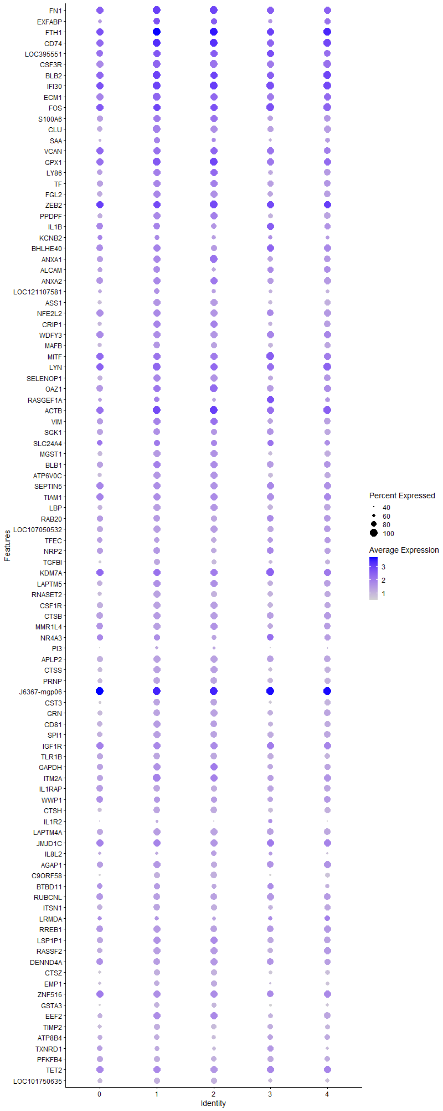
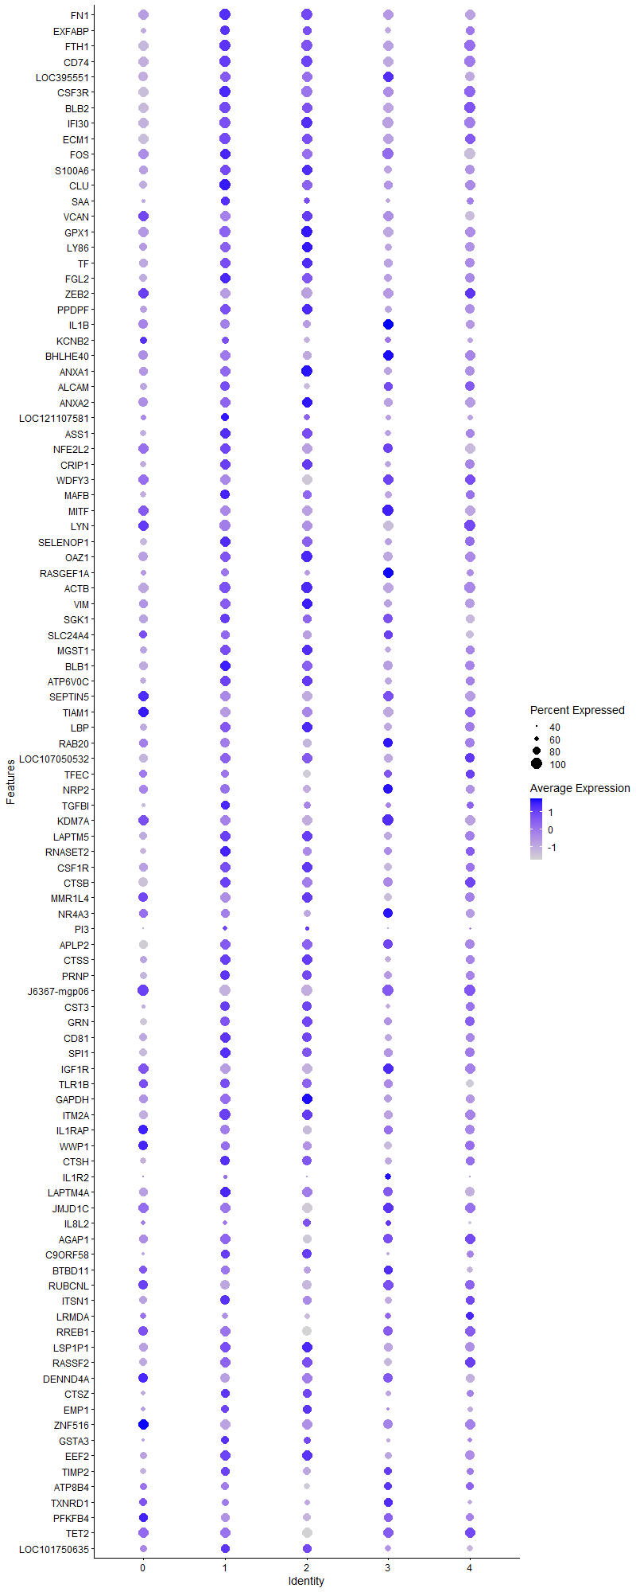
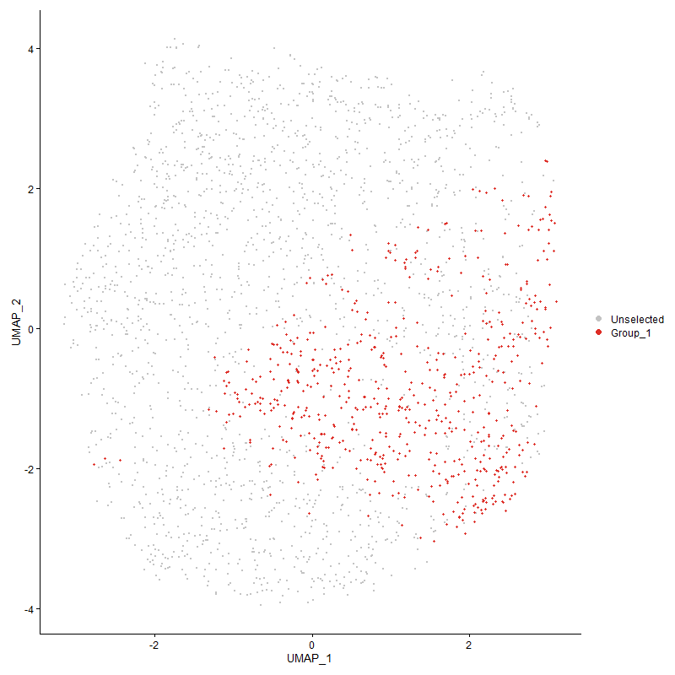
 | p_val | avg_log2FC | pct.1 | pct.2 | p_val_adj | cluster | gene
FN11 | 0 | 2.7534758633 | 1 | 0.129 | 0 | 1 | FN1
EXFABP1 | 0 | 2.7427843683 | 0.882 | 0.098 | 0 | 1 | EXFABP
FTH11 | 0 | 2.5814398383 | 1 | 0.584 | 0 | 1 | FTH1
CD741 | 0 | 2.2869482344 | 1 | 0.355 | 0 | 1 | CD74
LOC3955511 | 0 | 2.2798809619 | 0.99 | 0.171 | 0 | 1 | LOC395551
CSF3R1 | 0 | 2.274074092 | 1 | 0.144 | 0 | 1 | CSF3R
BLB21 | 0 | 2.2717821107 | 1 | 0.312 | 0 | 1 | BLB2
IFI301 | 0 | 2.1073665746 | 1 | 0.465 | 0 | 1 | IFI30
ECM11 | 0 | 2.0169377086 | 1 | 0.173 | 0 | 1 | ECM1
FOS1 | 0 | 1.991021343 | 0.995 | 0.541 | 0 | 1 | FOS
S100A61 | 0 | 1.9636771188 | 0.971 | 0.111 | 0 | 1 | S100A6
CLU1 | 0 | 1.921803298 | 0.995 | 0.134 | 0 | 1 | CLU
SAA1 | 0 | 1.9100533571 | 0.815 | 0.079 | 0 | 1 | SAA
VCAN1 | 0 | 1.8856233026 | 0.978 | 0.115 | 0 | 1 | VCAN
GPX11 | 0 | 1.8809258252 | 1 | 0.43 | 0 | 1 | GPX1
LY861 | 0 | 1.8304435185 | 0.967 | 0.101 | 0 | 1 | LY86
TF1 | 0 | 1.7247941406 | 0.993 | 0.111 | 0 | 1 | TF
FGL21 | 0 | 1.7030266528 | 0.983 | 0.157 | 0 | 1 | FGL2
ZEB21 | 0 | 1.6919560026 | 0.998 | 0.272 | 0 | 1 | ZEB2
PPDPF1 | 0 | 1.6825192723 | 0.979 | 0.113 | 0 | 1 | PPDPF
IL1B1 | 0 | 1.6511562973 | 0.878 | 0.119 | 0 | 1 | IL1B
KCNB21 | 0 | 1.6378205525 | 0.734 | 0.075 | 0 | 1 | KCNB2
BHLHE401 | 0 | 1.6292073413 | 0.918 | 0.172 | 0 | 1 | BHLHE40
ANXA12 | 0 | 1.6220080186 | 0.961 | 0.115 | 0 | 1 | ANXA1
ALCAM1 | 0 | 1.6141726469 | 0.861 | 0.111 | 0 | 1 | ALCAM
ANXA21 | 0 | 1.5992462878 | 0.969 | 0.152 | 0 | 1 | ANXA2
LOC1211075811 | 0 | 1.5982695926 | 0.715 | 0.073 | 0 | 1 | LOC121107581
ASS11 | 0 | 1.5522348027 | 0.955 | 0.083 | 0 | 1 | ASS1
NFE2L21 | 0 | 1.549441741 | 0.969 | 0.154 | 0 | 1 | NFE2L2
CRIP11 | 0 | 1.5445846443 | 0.955 | 0.266 | 0 | 1 | CRIP1
WDFY31 | 0 | 1.5301191933 | 0.978 | 0.111 | 0 | 1 | WDFY3
MAFB1 | 0 | 1.5245708263 | 0.887 | 0.079 | 0 | 1 | MAFB
MITF1 | 0 | 1.5074950454 | 0.957 | 0.258 | 0 | 1 | MITF
LYN1 | 0 | 1.4964324638 | 0.998 | 0.33 | 0 | 1 | LYN
SELENOP11 | 0 | 1.4958970366 | 0.966 | 0.259 | 0 | 1 | SELENOP1
OAZ11 | 0 | 1.4899228661 | 0.991 | 0.444 | 0 | 1 | OAZ1
RASGEF1A1 | 2.8817666649E-186 | 1.4804495511 | 0.746 | 0.255 | 4.400745874E-182 | 1 | RASGEF1A
ACTB1 | 2.4105527972E-249 | 1.4692819487 | 0.998 | 0.677 | 3.6811551766E-245 | 1 | ACTB
VIM1 | 0 | 1.4601686447 | 0.95 | 0.299 | 0 | 1 | VIM
SGK11 | 0 | 1.4552464012 | 0.871 | 0.127 | 0 | 1 | SGK1
SLC24A41 | 7.966736059E-188 | 1.4290591201 | 0.784 | 0.277 | 1.2166002636E-183 | 1 | SLC24A4
MGST11 | 0 | 1.3994631174 | 0.945 | 0.098 | 0 | 1 | MGST1
BLB11 | 0 | 1.3901332402 | 0.971 | 0.272 | 0 | 1 | BLB1
ATP6V0C1 | 0 | 1.3491134774 | 0.937 | 0.17 | 0 | 1 | ATP6V0C
SEPTIN51 | 0 | 1.3169279886 | 0.971 | 0.206 | 0 | 1 | SEPTIN5
TIAM11 | 0 | 1.3147918591 | 0.954 | 0.198 | 0 | 1 | TIAM1
LBP1 | 0 | 1.2725884629 | 0.877 | 0.101 | 0 | 1 | LBP
RAB201 | 0 | 1.2643952568 | 0.873 | 0.116 | 0 | 1 | RAB20
LOC1070505321 | 0 | 1.2596360005 | 0.94 | 0.117 | 0 | 1 | LOC107050532
TFEC1 | 0 | 1.2544124211 | 0.717 | 0.085 | 0 | 1 | TFEC
NRP21 | 0 | 1.2461102173 | 0.892 | 0.177 | 0 | 1 | NRP2
TGFBI1 | 0 | 1.2276093624 | 0.796 | 0.062 | 0 | 1 | TGFBI
KDM7A1 | 3.6380787556E-216 | 1.2226649552 | 0.986 | 0.527 | 5.5557100676E-212 | 1 | KDM7A
LAPTM51 | 0 | 1.2224194606 | 0.959 | 0.316 | 0 | 1 | LAPTM5
RNASET21 | 0 | 1.2114357304 | 0.914 | 0.137 | 0 | 1 | RNASET2
CSF1R1 | 0 | 1.2079118866 | 0.907 | 0.097 | 0 | 1 | CSF1R
CTSB1 | 0 | 1.2024819346 | 0.925 | 0.171 | 0 | 1 | CTSB
MMR1L41 | 0 | 1.1965984278 | 0.88 | 0.101 | 0 | 1 | MMR1L4
NR4A31 | 3.6346232426E-268 | 1.1925120816 | 0.828 | 0.215 | 5.5504331537E-264 | 1 | NR4A3
PI31 | 0 | 1.1804202317 | 0.503 | 0.051 | 0 | 1 | PI3
APLP21 | 0 | 1.1729164548 | 0.925 | 0.152 | 0 | 1 | APLP2
CTSS1 | 0 | 1.1646543342 | 0.926 | 0.186 | 0 | 1 | CTSS
PRNP1 | 0 | 1.1588868731 | 0.866 | 0.136 | 0 | 1 | PRNP
J6367-mgp061 | 7.370308434E-230 | 1.1560148893 | 1 | 0.974 | 1.125519801E-225 | 1 | J6367-mgp06
CST31 | 0 | 1.156005778 | 0.858 | 0.145 | 0 | 1 | CST3
GRN1 | 0 | 1.1542541794 | 0.88 | 0.127 | 0 | 1 | GRN
CD811 | 0 | 1.1177625255 | 0.921 | 0.24 | 0 | 1 | CD81
SPI11 | 0 | 1.1096095467 | 0.901 | 0.181 | 0 | 1 | SPI1
IGF1R1 | 1.6820172181E-237 | 1.1040291178 | 0.95 | 0.335 | 2.5686084937E-233 | 1 | IGF1R
TLR1B1 | 0 | 1.1019257821 | 0.851 | 0.12 | 0 | 1 | TLR1B
GAPDH1 | 3.3613848778E-264 | 1.1012827959 | 0.921 | 0.316 | 5.1331708469E-260 | 1 | GAPDH
ITM2A1 | 1.58965761E-247 | 1.0993946935 | 0.99 | 0.49 | 2.4275661362E-243 | 1 | ITM2A
IL1RAP1 | 0 | 1.0973090984 | 0.866 | 0.113 | 0 | 1 | IL1RAP
WWP11 | 1.0504681164E-214 | 1.093449078 | 0.796 | 0.246 | 1.6041698605E-210 | 1 | WWP1
CTSH1 | 0 | 1.0828116739 | 0.864 | 0.184 | 0 | 1 | CTSH
IL1R21 | 0 | 1.0785498991 | 0.456 | 0.043 | 0 | 1 | IL1R2
LAPTM4A1 | 0 | 1.0655403592 | 0.914 | 0.259 | 0 | 1 | LAPTM4A
JMJD1C1 | 2.1319964212E-209 | 1.0593282677 | 0.973 | 0.492 | 3.2557717349E-205 | 1 | JMJD1C
IL8L21 | 0 | 1.0565939674 | 0.518 | 0.071 | 0 | 1 | IL8L2
AGAP11 | 6.8290443754E-272 | 1.0494487415 | 0.916 | 0.273 | 1.0428633666E-267 | 1 | AGAP1
C9ORF581 | 0 | 1.0465734322 | 0.772 | 0.065 | 0 | 1 | C9ORF58
BTBD111 | 3.1418568025E-259 | 1.0407263165 | 0.756 | 0.181 | 4.7979295231E-255 | 1 | BTBD11
RUBCNL1 | 0 | 1.0391949598 | 0.859 | 0.207 | 0 | 1 | RUBCNL
ITSN11 | 0 | 1.0324064084 | 0.842 | 0.178 | 0 | 1 | ITSN1
LRMDA1 | 9.5393819329E-225 | 1.0268939821 | 0.643 | 0.14 | 1.456759015E-220 | 1 | LRMDA
RREB11 | 7.3772418789E-254 | 1.0264159222 | 0.899 | 0.288 | 1.1265786073E-249 | 1 | RREB1
LSP1P11 | 7.4347455902E-251 | 1.0246058904 | 0.957 | 0.399 | 1.1353599991E-246 | 1 | LSP1P1
RASSF21 | 1.7895159539E-287 | 1.0163415604 | 0.887 | 0.254 | 2.7327698133E-283 | 1 | RASSF2
DENND4A1 | 1.0082846365E-302 | 1.0163146601 | 0.875 | 0.213 | 1.5397514684E-298 | 1 | DENND4A
CTSZ1 | 0 | 1.0159594864 | 0.792 | 0.095 | 0 | 1 | CTSZ
EMP11 | 0 | 1.0072976258 | 0.676 | 0.093 | 0 | 1 | EMP1
ZNF5161 | 1.1977913152E-255 | 1.0071887543 | 0.913 | 0.25 | 1.8291471175E-251 | 1 | ZNF516
GSTA31 | 0 | 1.0059151507 | 0.702 | 0.054 | 0 | 1 | GSTA3
EEF2 | 1.7149103304E-203 | 0.99462635468 | 0.955 | 0.449 | 2.6188395655E-199 | 1 | EEF2
TIMP21 | 0 | 0.99429133928 | 0.782 | 0.107 | 0 | 1 | TIMP2
ATP8B41 | 0 | 0.99239976001 | 0.703 | 0.078 | 0 | 1 | ATP8B4
TXNRD11 | 0 | 0.9901061286 | 0.659 | 0.108 | 0 | 1 | TXNRD1
PFKFB41 | 0 | 0.97889414291 | 0.767 | 0.103 | 0 | 1 | PFKFB4
TET21 | 1.0505717368E-176 | 0.97777152595 | 0.933 | 0.427 | 1.6043280992E-172 | 1 | TET2
LOC1017506351 | 0 | 0.96486751599 | 0.774 | 0.103 | 0 | 1 | LOC101750635
DMA1 | 0 | 0.96456425998 | 0.794 | 0.139 | 0 | 1 | DMA
ABCA91 | 0 | 0.94276007517 | 0.734 | 0.078 | 0 | 1 | ABCA9
MAMLD11 | 3.6312738745E-183 | 0.93969365106 | 0.877 | 0.323 | 5.5453183337E-179 | 1 | MAMLD1
CHD71 | 3.4083551895E-173 | 0.93165348835 | 0.923 | 0.413 | 5.2048992098E-169 | 1 | CHD7
FGD41 | 6.4891863969E-302 | 0.93139717285 | 0.595 | 0.099 | 9.9096365467E-298 | 1 | FGD4
GAS71 | 0 | 0.92895566699 | 0.768 | 0.126 | 0 | 1 | GAS7
HMOX11 | 0 | 0.92840762356 | 0.58 | 0.064 | 0 | 1 | HMOX1
TNS11 | 0 | 0.92698035226 | 0.767 | 0.077 | 0 | 1 | TNS1
LGMN1 | 2.5255141128E-298 | 0.92077340935 | 0.81 | 0.193 | 3.8567126017E-294 | 1 | LGMN
CD831 | 6.2638713486E-143 | 0.91893182789 | 0.652 | 0.221 | 9.5655579365E-139 | 1 | CD83
BF21 | 2.4796968576E-187 | 0.91327117718 | 0.997 | 0.691 | 3.7867450712E-183 | 1 | BF2
AVD1 | 0 | 0.90541914094 | 0.393 | 0.039 | 0 | 1 | AVD
MPEG11 | 0 | 0.89832120942 | 0.722 | 0.07 | 0 | 1 | MPEG1
SLC8A11 | 0 | 0.89729553294 | 0.684 | 0.075 | 0 | 1 | SLC8A1
TPP11 | 0 | 0.89724440049 | 0.834 | 0.178 | 0 | 1 | TPP1
GBE11 | 2.0207047773E-187 | 0.89067336625 | 0.762 | 0.228 | 3.0858182654E-183 | 1 | GBE1
SORBS11 | 0 | 0.88877761067 | 0.696 | 0.083 | 0 | 1 | SORBS1
AHR1A1 | 9.6418374587E-251 | 0.88042697965 | 0.787 | 0.2 | 1.4724049983E-246 | 1 | AHR1A
TRIO1 | 2.2356319421E-140 | 0.87886740722 | 0.918 | 0.421 | 3.4140335387E-136 | 1 | TRIO
LDHA1 | 0 | 0.87649022348 | 0.768 | 0.114 | 0 | 1 | LDHA
RSFR1 | 0 | 0.87272765688 | 0.635 | 0.058 | 0 | 1 | RSFR
PITPNA1 | 5.2746771441E-219 | 0.86815629164 | 0.825 | 0.254 | 8.0549594668E-215 | 1 | PITPNA
CALM2 | 6.8823824315E-205 | 0.86199938239 | 0.911 | 0.351 | 1.0510086211E-200 | 1 | CALM2
GSL1 | 0 | 0.86106048646 | 0.727 | 0.071 | 0 | 1 | GSL
MYOF1 | 0 | 0.86091683102 | 0.642 | 0.073 | 0 | 1 | MYOF
LGALS1A1 | 0 | 0.85496052387 | 0.664 | 0.071 | 0 | 1 | LGALS1A
ANKRD13A1 | 1.8746947532E-285 | 0.85166602004 | 0.779 | 0.182 | 2.8628463575E-281 | 1 | ANKRD13A
PSAP1 | 0 | 0.8510191071 | 0.715 | 0.114 | 0 | 1 | PSAP
ANTXR21 | 4.0221289558E-125 | 0.85058757358 | 0.864 | 0.424 | 6.1421931284E-121 | 1 | ANTXR2
MARCH81 | 1.5790434789E-168 | 0.85055761697 | 0.935 | 0.394 | 2.4113572967E-164 | 1 | MARCH8
ATRN1 | 2.4114986798E-183 | 0.84975186714 | 0.973 | 0.451 | 3.6825996339E-179 | 1 | ATRN
CTSC1 | 1.6824027886E-276 | 0.84967070727 | 0.806 | 0.204 | 2.5691972984E-272 | 1 | CTSC
PIK3R51 | 1.4825239757E-194 | 0.84626757456 | 0.868 | 0.323 | 2.2639623633E-190 | 1 | PIK3R5
TXN1 | 0 | 0.84527831624 | 0.741 | 0.109 | 0 | 1 | TXN
LCP11 | 1.8525566863E-192 | 0.84352984605 | 0.897 | 0.367 | 2.8290393156E-188 | 1 | LCP1
LAMP11 | 0 | 0.83864018213 | 0.792 | 0.165 | 0 | 1 | LAMP1
FNDC3B1 | 1.8020492345E-298 | 0.83820329707 | 0.738 | 0.151 | 2.751909386E-294 | 1 | FNDC3B
CAMK1D1 | 7.3528029469E-124 | 0.83558271019 | 0.904 | 0.455 | 1.122846538E-119 | 1 | CAMK1D
PLSCR11 | 0 | 0.82689320975 | 0.654 | 0.098 | 0 | 1 | PLSCR1
FNIP11 | 1.4930612685E-168 | 0.82688564475 | 0.767 | 0.263 | 2.2800538632E-164 | 1 | FNIP1
SLC2A91 | 0 | 0.81032222015 | 0.535 | 0.052 | 0 | 1 | SLC2A9
CD991 | 0 | 0.80670464731 | 0.66 | 0.073 | 0 | 1 | CD99
SMAP21 | 1.8863916319E-220 | 0.80467692221 | 0.864 | 0.291 | 2.880708661E-216 | 1 | SMAP2
FAP1 | 0 | 0.8042412298 | 0.599 | 0.065 | 0 | 1 | FAP
LOC4204191 | 6.1497151836E-256 | 0.80348936332 | 0.686 | 0.151 | 9.3912300569E-252 | 1 | LOC420419
NPC21 | 0 | 0.80334078681 | 0.667 | 0.083 | 0 | 1 | NPC2
EGR11 | 4.0383414947E-258 | 0.79812796722 | 0.659 | 0.137 | 6.1669512966E-254 | 1 | EGR1
PTPN21 | 3.0627155515E-147 | 0.79346224371 | 0.87 | 0.386 | 4.6770729187E-143 | 1 | PTPN2
TLR2A1 | 0 | 0.79187913588 | 0.674 | 0.063 | 0 | 1 | TLR2A
RHOA | 3.0447310535E-173 | 0.78971097868 | 0.919 | 0.409 | 4.6496087918E-169 | 1 | RHOA
EFHD11 | 0 | 0.78814160388 | 0.688 | 0.113 | 0 | 1 | EFHD1
PABPC1 | 2.9598048464E-148 | 0.78701147666 | 0.991 | 0.665 | 4.519917981E-144 | 1 | PABPC1
KCTD121 | 0 | 0.78000652477 | 0.623 | 0.071 | 0 | 1 | KCTD12
USP61 | 5.2522900686E-143 | 0.77983935724 | 0.822 | 0.345 | 8.0207721638E-139 | 1 | USP6
SDCBP1 | 0 | 0.77725684432 | 0.727 | 0.139 | 0 | 1 | SDCBP
PLXNA11 | 0 | 0.77686210594 | 0.544 | 0.065 | 0 | 1 | PLXNA1
CCR51 | 0 | 0.76104248114 | 0.621 | 0.066 | 0 | 1 | CCR5
FRY1 | 1.6244946826E-191 | 0.75832856351 | 0.77 | 0.229 | 2.4807658298E-187 | 1 | FRY
DMB21 | 0 | 0.75074034455 | 0.655 | 0.118 | 0 | 1 | DMB2
S100A121 | 1.8934423599E-213 | 0.75007148334 | 0.499 | 0.09 | 2.8914758277E-209 | 1 | S100A12
TPT1 | 3.2042055332E-133 | 0.74549278275 | 0.959 | 0.555 | 4.8931422697E-129 | 1 | TPT1
IL181 | 6.8162210664E-216 | 0.74505270222 | 0.576 | 0.121 | 1.0409051191E-211 | 1 | IL18
PNRC1 | 3.5365552208E-126 | 0.73989462518 | 0.988 | 0.675 | 5.4006734776E-122 | 1 | PNRC1
HTR1F1 | 6.1620872826E-232 | 0.73880522745 | 0.506 | 0.09 | 9.4101234893E-228 | 1 | HTR1F
LTA4H1 | 8.7868520317E-223 | 0.7372582723 | 0.587 | 0.128 | 1.3418401738E-218 | 1 | LTA4H
RACK1 | 1.2733639259E-124 | 0.73697320896 | 0.933 | 0.503 | 1.9445540513E-120 | 1 | RACK1
TNFRSF211 | 2.120886838E-201 | 0.73283619215 | 0.796 | 0.247 | 3.2388062902E-197 | 1 | TNFRSF21
MAFF1 | 0 | 0.73180707505 | 0.612 | 0.077 | 0 | 1 | MAFF
MAML21 | 8.8180132741E-190 | 0.73032538904 | 0.703 | 0.188 | 1.3465988071E-185 | 1 | MAML2
AHRR1 | 0 | 0.72956893382 | 0.468 | 0.057 | 0 | 1 | AHRR
LOC1070509551 | 4.903748419E-216 | 0.72820214317 | 0.696 | 0.184 | 7.4885142107E-212 | 1 | LOC107050955
DSTN1 | 4.6310321125E-135 | 0.72736660742 | 0.973 | 0.65 | 7.0720491391E-131 | 1 | DSTN
ANGPT11 | 0 | 0.72640017952 | 0.571 | 0.079 | 0 | 1 | ANGPT1
PLA2R11 | 0 | 0.72029885977 | 0.578 | 0.079 | 0 | 1 | PLA2R1
LRP11 | 0 | 0.71933085317 | 0.66 | 0.077 | 0 | 1 | LRP1
DUSP11 | 1.0294854201E-105 | 0.71904491249 | 0.756 | 0.355 | 1.572127185E-101 | 1 | DUSP1
BCL61 | 6.8580544603E-190 | 0.71675946098 | 0.628 | 0.162 | 1.0472934966E-185 | 1 | BCL6
PPARG1 | 1.290961116E-250 | 0.716220501 | 0.425 | 0.058 | 1.9714267203E-246 | 1 | PPARG
PLXNC11 | 1.2653836789E-165 | 0.71161898531 | 0.911 | 0.347 | 1.932367416E-161 | 1 | PLXNC1
ENO1 | 3.5039067138E-168 | 0.71149248626 | 0.856 | 0.336 | 5.3508159427E-164 | 1 | ENO1
SLC16A71 | 0 | 0.71059530261 | 0.448 | 0.037 | 0 | 1 | SLC16A7
DCLK31 | 0 | 0.70829521573 | 0.532 | 0.052 | 0 | 1 | DCLK3
SRGAP21 | 0 | 0.70710482689 | 0.662 | 0.113 | 0 | 1 | SRGAP2
AP1S21 | 5.7386740998E-301 | 0.70195638434 | 0.676 | 0.126 | 8.7635292179E-297 | 1 | AP1S2
PRDX11 | 3.3787233935E-199 | 0.69603270882 | 0.69 | 0.189 | 5.1596484942E-195 | 1 | PRDX1
ARL4C1 | 0 | 0.68811313699 | 0.609 | 0.067 | 0 | 1 | ARL4C
AZIN11 | 2.3660043472E-235 | 0.68763177775 | 0.708 | 0.17 | 3.6131252386E-231 | 1 | AZIN1
CLIC21 | 8.2987772036E-171 | 0.68717887058 | 0.82 | 0.299 | 1.2673062668E-166 | 1 | CLIC2
PRCP | 0 | 0.68405179682 | 0.595 | 0.084 | 0 | 1 | PRCP
SKAP21 | 2.2553716857E-132 | 0.68245228578 | 0.851 | 0.348 | 3.4441781012E-128 | 1 | SKAP2
ELL1 | 4.4720200384E-170 | 0.67557348104 | 0.71 | 0.225 | 6.8292218007E-166 | 1 | ELL
HMGB1 | 1.6875330421E-129 | 0.67415380833 | 0.93 | 0.489 | 2.5770317086E-125 | 1 | HMGB1
CADM11 | 0 | 0.6729918203 | 0.403 | 0.04 | 0 | 1 | CADM1
RAB7A1 | 1.2494743255E-179 | 0.67179561247 | 0.731 | 0.223 | 1.9080722425E-175 | 1 | RAB7A
EPN21 | 1.491102831E-141 | 0.67167138177 | 0.799 | 0.312 | 2.2770631333E-137 | 1 | EPN2
SLC1A61 | 0 | 0.6703955069 | 0.569 | 0.05 | 0 | 1 | SLC1A6
PTPRN21 | 3.44660412E-265 | 0.66927619266 | 0.314 | 0.029 | 5.2633091516E-261 | 1 | PTPRN2
EEF1D | 3.4153371374E-137 | 0.66692076973 | 0.842 | 0.362 | 5.2155613425E-133 | 1 | EEF1D
MXI11 | 9.597872969E-128 | 0.66645738559 | 0.434 | 0.11 | 1.4656911811E-123 | 1 | MXI1
KIAA09301 | 5.7600044117E-203 | 0.66477866433 | 0.556 | 0.121 | 8.7961027371E-199 | 1 | KIAA0930
NHSL11 | 4.0734560479E-169 | 0.66348016069 | 0.376 | 0.067 | 6.2205747307E-165 | 1 | NHSL1
CAST1 | 2.5739281968E-203 | 0.66196564929 | 0.681 | 0.176 | 3.9306457493E-199 | 1 | CAST
BCAT11 | 2.5910495485E-98 | 0.66149888503 | 0.832 | 0.409 | 3.9567917655E-94 | 1 | BCAT1
SELP | 1.4822434857E-139 | 0.66012024858 | 0.93 | 0.433 | 2.263534027E-135 | 1 | SELP
FCER1G1 | 0 | 0.65883540698 | 0.604 | 0.074 | 0 | 1 | FCER1G
SAT11 | 2.2013491933E-148 | 0.6558465474 | 0.791 | 0.291 | 3.361680353E-144 | 1 | SAT1
BTG21 | 8.0355321067E-127 | 0.65578136844 | 0.813 | 0.345 | 1.227106108E-122 | 1 | BTG2
IPCEF11 | 3.2830955923E-132 | 0.65565233165 | 0.738 | 0.256 | 5.013615279E-128 | 1 | IPCEF1
LOC4268201 | 0 | 0.65476708299 | 0.552 | 0.044 | 0 | 1 | LOC426820
MXD11 | 1.0939877816E-279 | 0.65145316826 | 0.609 | 0.109 | 1.6706287413E-275 | 1 | MXD1
MECR1 | 0 | 0.6510087671 | 0.599 | 0.085 | 0 | 1 | MECR
CTSA1 | 0 | 0.64914960107 | 0.59 | 0.072 | 0 | 1 | CTSA
RAB1B1 | 2.6609536506E-159 | 0.64815195156 | 0.816 | 0.314 | 4.0635423198E-155 | 1 | RAB1B
PTPN61 | 1.0880792007E-197 | 0.64730183878 | 0.705 | 0.193 | 1.6616057475E-193 | 1 | PTPN6
RPL4 | 6.6325735943E-95 | 0.64619351961 | 0.949 | 0.606 | 1.0128603136E-90 | 1 | RPL4
ARF6 | 3.6026536477E-139 | 0.6456654624 | 0.839 | 0.354 | 5.5016123855E-135 | 1 | ARF6
APP1 | 3.4529209782E-161 | 0.64403302704 | 0.815 | 0.273 | 5.2729556258E-157 | 1 | APP
TALDO11 | 0 | 0.64370532904 | 0.628 | 0.106 | 0 | 1 | TALDO1
TPM31 | 2.7672813704E-135 | 0.64359560721 | 0.914 | 0.445 | 4.2259153808E-131 | 1 | TPM3
LRP51 | 0 | 0.64336761478 | 0.527 | 0.071 | 0 | 1 | LRP5
TPPP3 | 0 | 0.64291124122 | 0.37 | 0.018 | 0 | 1 | TPPP3
RASGRP11 | 1.2751578797E-86 | 0.64265024489 | 0.792 | 0.416 | 1.9472935982E-82 | 1 | RASGRP1
ITGAD1 | 1.2202823273E-203 | 0.64151020272 | 0.707 | 0.184 | 1.863493142E-199 | 1 | ITGAD
FABP31 | 0 | 0.64031982557 | 0.509 | 0.05 | 0 | 1 | FABP3
CD631 | 4.2237029828E-153 | 0.6395139828 | 0.835 | 0.319 | 6.450016825E-149 | 1 | CD63
TAX1BP11 | 2.120289122E-126 | 0.63731004807 | 0.798 | 0.335 | 3.2378935182E-122 | 1 | TAX1BP1
RAP1A | 8.0033964646E-134 | 0.63581691402 | 0.861 | 0.39 | 1.2221986741E-129 | 1 | RAP1A
NEK61 | 2.0339351622E-170 | 0.63510584858 | 0.693 | 0.209 | 3.1060223862E-166 | 1 | NEK6
GNAI21 | 2.8841845403E-145 | 0.63306840351 | 0.849 | 0.351 | 4.4044382114E-141 | 1 | GNAI2
AES1 | 0 | 0.62884247752 | 0.554 | 0.067 | 0 | 1 | AES
ANXA111 | 2.3536995172E-164 | 0.62867733446 | 0.799 | 0.279 | 3.5943345327E-160 | 1 | ANXA11
GNAI31 | 1.613010707E-194 | 0.62865686828 | 0.688 | 0.187 | 2.4632286507E-190 | 1 | GNAI3
BACH11 | 1.3306012888E-199 | 0.62732537617 | 0.631 | 0.153 | 2.0319612281E-195 | 1 | BACH1
NFKBIA | 5.490821137E-84 | 0.62591343596 | 0.954 | 0.655 | 8.3850329583E-80 | 1 | NFKBIA
PARD31 | 7.2527560561E-291 | 0.62433941978 | 0.443 | 0.054 | 1.1075683773E-286 | 1 | PARD3
GINM11 | 1.2420292373E-263 | 0.62400209052 | 0.583 | 0.106 | 1.8967028483E-259 | 1 | GINM1
RASGEF1B1 | 0 | 0.62358049869 | 0.477 | 0.058 | 0 | 1 | RASGEF1B
J6367-mgp071 | 9.0079216143E-131 | 0.62240017557 | 1 | 1 | 1.3755997097E-126 | 1 | J6367-mgp07
PID11 | 0 | 0.62217935492 | 0.499 | 0.053 | 0 | 1 | PID1
SPSB11 | 6.9323298968E-167 | 0.62170847413 | 0.642 | 0.181 | 1.0586360985E-162 | 1 | SPSB1
S100A11 | 1.4003082995E-233 | 0.62129325018 | 0.64 | 0.138 | 2.1384108041E-229 | 1 | S100A11
NET11 | 0 | 0.62119277278 | 0.525 | 0.071 | 0 | 1 | NET1
ITGAV1 | 1.3533412996E-184 | 0.61960634973 | 0.756 | 0.223 | 2.0666874986E-180 | 1 | ITGAV
PDE4B1 | 6.0996634241E-126 | 0.61503506793 | 0.659 | 0.238 | 9.314796015E-122 | 1 | PDE4B
FOSL21 | 2.6113743216E-157 | 0.61493882795 | 0.664 | 0.199 | 3.9878297265E-153 | 1 | FOSL2
HIVEP31 | 1.0712331995E-105 | 0.61282976908 | 0.734 | 0.312 | 1.635880219E-101 | 1 | HIVEP3
SLC16A31 | 3.8878985914E-208 | 0.61159661968 | 0.48 | 0.087 | 5.9372099389E-204 | 1 | SLC16A3
SPECC11 | 2.5419614485E-262 | 0.61026327607 | 0.497 | 0.077 | 3.8818293279E-258 | 1 | SPECC1
C5H14orf4 | 6.6504940217E-307 | 0.60912615534 | 0.521 | 0.074 | 1.0155969421E-302 | 1 | C5H14orf4
RPS6KA31 | 4.2669187348E-92 | 0.60853556738 | 0.878 | 0.482 | 6.5160116E-88 | 1 | RPS6KA3
J6367-mgp041 | 2.4549632504E-116 | 0.60780735472 | 1 | 0.974 | 3.7489743798E-112 | 1 | J6367-mgp04
SH3BGRL3 | 1.9317426357E-134 | 0.60772325208 | 0.683 | 0.243 | 2.949964179E-130 | 1 | SH3BGRL3
RPL37A | 1.2322490299E-100 | 0.60749376462 | 0.981 | 0.633 | 1.8817674936E-96 | 1 | RPL37A
TNIP21 | 1.4566377575E-95 | 0.60577383795 | 0.484 | 0.158 | 2.2244315194E-91 | 1 | TNIP2
MARK11 | 4.0342270532E-215 | 0.60491026281 | 0.569 | 0.118 | 6.160668133E-211 | 1 | MARK1
GGH1 | 3.1740319008E-248 | 0.60295325171 | 0.544 | 0.099 | 4.8470641157E-244 | 1 | GGH
IL6R1 | 0 | 0.60116536485 | 0.535 | 0.058 | 0 | 1 | IL6R
MS4A4A1 | 0 | 0.59853906339 | 0.503 | 0.047 | 0 | 1 | MS4A4A
DOCK41 | 0 | 0.59265194564 | 0.432 | 0.049 | 0 | 1 | DOCK4
CPEB21 | 5.4713485701E-101 | 0.59208625005 | 0.497 | 0.162 | 8.3552964014E-97 | 1 | CPEB2
CREM1 | 1.1329469087E-172 | 0.589317759 | 0.593 | 0.153 | 1.7301232242E-168 | 1 | CREM
CD471 | 1.4452758568E-88 | 0.58877094747 | 0.954 | 0.612 | 2.2070807609E-84 | 1 | CD47
ACSL11 | 3.4312967524E-247 | 0.58267519249 | 0.386 | 0.049 | 5.2399332706E-243 | 1 | ACSL1
ZDHHC141 | 4.5013356307E-115 | 0.58189178638 | 0.698 | 0.26 | 6.8739896417E-111 | 1 | ZDHHC14
C1QC | 0 | 0.58044251968 | 0.448 | 0.036 | 0 | 1 | C1QC
CCR21 | 0 | 0.57977662383 | 0.489 | 0.056 | 0 | 1 | CCR2
PKLR1 | 3.4239964099E-177 | 0.57646985202 | 0.662 | 0.183 | 5.2287849176E-173 | 1 | PKLR
J6367-mgp111 | 2.4214168987E-124 | 0.57464567462 | 1 | 1 | 3.697745746E-120 | 1 | J6367-mgp11
HIVEP11 | 2.4202393258E-77 | 0.5746009648 | 0.762 | 0.389 | 3.6959474744E-73 | 1 | HIVEP1
J6367-mgp031 | 7.0222664014E-113 | 0.57457485594 | 1 | 0.988 | 1.0723703022E-108 | 1 | J6367-mgp03
PLEKHO21 | 2.1801007805E-192 | 0.57306838076 | 0.599 | 0.143 | 3.3292319019E-188 | 1 | PLEKHO2
ATP6AP11 | 1.1383642113E-147 | 0.5721564888 | 0.732 | 0.242 | 1.7383959871E-143 | 1 | ATP6AP1
SLC25A6 | 3.6091537558E-140 | 0.56990666774 | 0.681 | 0.231 | 5.5115387004E-136 | 1 | SLC25A6
CD881 | 2.1698500721E-234 | 0.56966413008 | 0.489 | 0.081 | 3.3135780452E-230 | 1 | CD88
SERTAD21 | 3.312383189E-86 | 0.56923529535 | 0.748 | 0.357 | 5.0583403678E-82 | 1 | SERTAD2
ATP6V1E11 | 7.1184152195E-245 | 0.56702233616 | 0.545 | 0.098 | 1.0870531882E-240 | 1 | ATP6V1E1
GPAT31 | 2.3151778553E-213 | 0.56346856559 | 0.503 | 0.094 | 3.5355081028E-209 | 1 | GPAT3
SH3BGRL1 | 1.0405913614E-85 | 0.56224877639 | 0.892 | 0.543 | 1.589087068E-81 | 1 | SH3BGRL
SIPA1L21 | 3.7968381757E-204 | 0.56198811903 | 0.46 | 0.081 | 5.7981515781E-200 | 1 | SIPA1L2
ASAH11 | 1.4818882095E-268 | 0.55989387094 | 0.525 | 0.084 | 2.2629914847E-264 | 1 | ASAH1
BMP2K1 | 8.0666895045E-72 | 0.55919395377 | 0.904 | 0.561 | 1.2318641542E-67 | 1 | BMP2K
PMEPA11 | 1.6246681448E-224 | 0.55795398755 | 0.391 | 0.056 | 2.481030724E-220 | 1 | PMEPA1
UBA52 | 1.3608557296E-108 | 0.55646662952 | 0.899 | 0.441 | 2.0781627847E-104 | 1 | UBA52
LOC1008578831 | 0 | 0.5537690314 | 0.497 | 0.056 | 0 | 1 | LOC100857883
GADD45B1 | 8.7978953029E-222 | 0.55321460548 | 0.545 | 0.106 | 1.3435265917E-217 | 1 | GADD45B
E2F31 | 9.3830509717E-191 | 0.54894508156 | 0.499 | 0.1 | 1.4328857139E-186 | 1 | E2F3
MEF2D1 | 1.3345538998E-98 | 0.54727013331 | 0.772 | 0.353 | 2.0379972604E-94 | 1 | MEF2D
TMSB4X | 2.8614517593E-89 | 0.54560963043 | 1 | 0.896 | 4.3697229816E-85 | 1 | TMSB4X
CEBPB1 | 0 | 0.54445448925 | 0.422 | 0.039 | 0 | 1 | CEBPB
CHST131 | 2.3217725536E-253 | 0.54312909178 | 0.46 | 0.068 | 3.5455788667E-249 | 1 | CHST13
RPLP0 | 3.8740759745E-89 | 0.54201426672 | 0.95 | 0.591 | 5.9161014207E-85 | 1 | RPLP0
ANXA51 | 0 | 0.54144193604 | 0.473 | 0.051 | 0 | 1 | ANXA5
LGALS31 | 0 | 0.53981655153 | 0.479 | 0.041 | 0 | 1 | LGALS3
EEPD11 | 1.2427395693E-86 | 0.53905659709 | 0.657 | 0.282 | 1.8977875963E-82 | 1 | EEPD1
TIPARP1 | 2.3853639395E-88 | 0.53880724937 | 0.688 | 0.311 | 3.642689272E-84 | 1 | TIPARP
ZFP36L1 | 1.4909997873E-77 | 0.53804616826 | 0.981 | 0.793 | 2.2769057751E-73 | 1 | ZFP36L1
PGAM11 | 4.7016398211E-177 | 0.53616050541 | 0.544 | 0.127 | 7.1798741708E-173 | 1 | PGAM1
ZNFX11 | 1.1058792547E-93 | 0.53612559577 | 0.724 | 0.317 | 1.6887882099E-89 | 1 | ZNFX1
BRI31 | 1.610888716E-188 | 0.53397374286 | 0.54 | 0.12 | 2.4599881583E-184 | 1 | BRI3
PLEKHM31 | 9.0365175087E-175 | 0.53297222332 | 0.415 | 0.077 | 1.3799665888E-170 | 1 | PLEKHM3
HMGCS11 | 2.5406157552E-84 | 0.5306705637 | 0.563 | 0.214 | 3.8797743198E-80 | 1 | HMGCS1
CREG1 | 1.0754863565E-184 | 0.53019299956 | 0.688 | 0.186 | 1.6423752151E-180 | 1 | CREG1
PRDM11 | 4.1565059299E-228 | 0.52928666947 | 0.415 | 0.061 | 6.3474002056E-224 | 1 | PRDM1
TGIF11 | 2.7588269932E-189 | 0.52741690175 | 0.463 | 0.09 | 4.2130047014E-185 | 1 | TGIF1
MPP71 | 1.5260604945E-187 | 0.52720115523 | 0.395 | 0.066 | 2.3304469811E-183 | 1 | MPP7
HSPA51 | 5.334751502E-65 | 0.52549584133 | 0.605 | 0.289 | 8.1466990187E-61 | 1 | HSPA5
F101 | 1.3377904576E-266 | 0.52277981683 | 0.48 | 0.069 | 2.0429398078E-262 | 1 | F10
PGD1 | 2.7258359864E-239 | 0.5215300488 | 0.513 | 0.088 | 4.1626241349E-235 | 1 | PGD
LOC1070553901 | 7.942025865E-113 | 0.5212552599 | 0.461 | 0.132 | 1.2128267698E-108 | 1 | LOC107055390
CD551 | 0 | 0.51909471599 | 0.429 | 0.042 | 0 | 1 | CD55
RBM471 | 9.3919430849E-274 | 0.51890420488 | 0.357 | 0.037 | 1.4342436285E-269 | 1 | RBM47
PRDX61 | 3.8458145169E-196 | 0.51874979136 | 0.542 | 0.116 | 5.8729433488E-192 | 1 | PRDX6
EPS81 | 1.6075789551E-250 | 0.51636717491 | 0.341 | 0.037 | 2.4549338223E-246 | 1 | EPS8
MMP91 | 1.9897963742E-186 | 0.51377430434 | 0.314 | 0.042 | 3.038618043E-182 | 1 | MMP9
SMPD11 | 2.9884941419E-176 | 0.51351187299 | 0.549 | 0.13 | 4.563729404E-172 | 1 | SMPD1
GNS | 7.3326382165E-124 | 0.51347483597 | 0.681 | 0.24 | 1.119767182E-119 | 1 | GNS
...

Cluster2
...
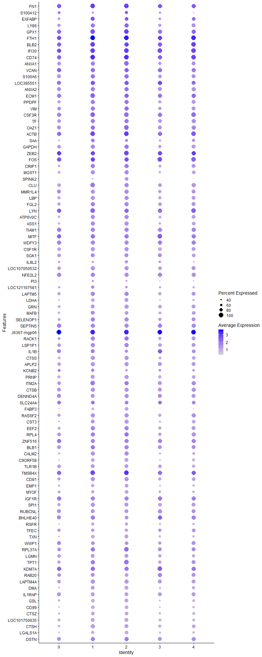
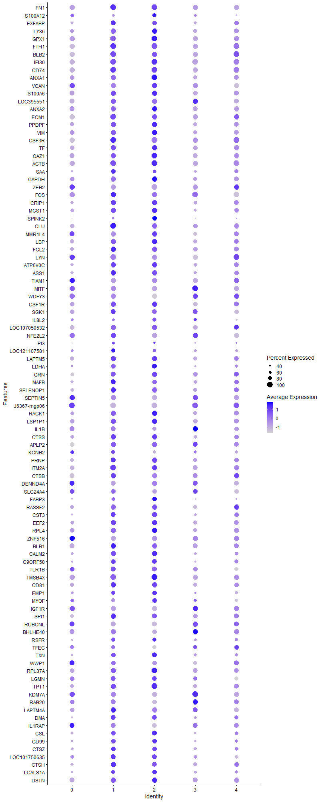
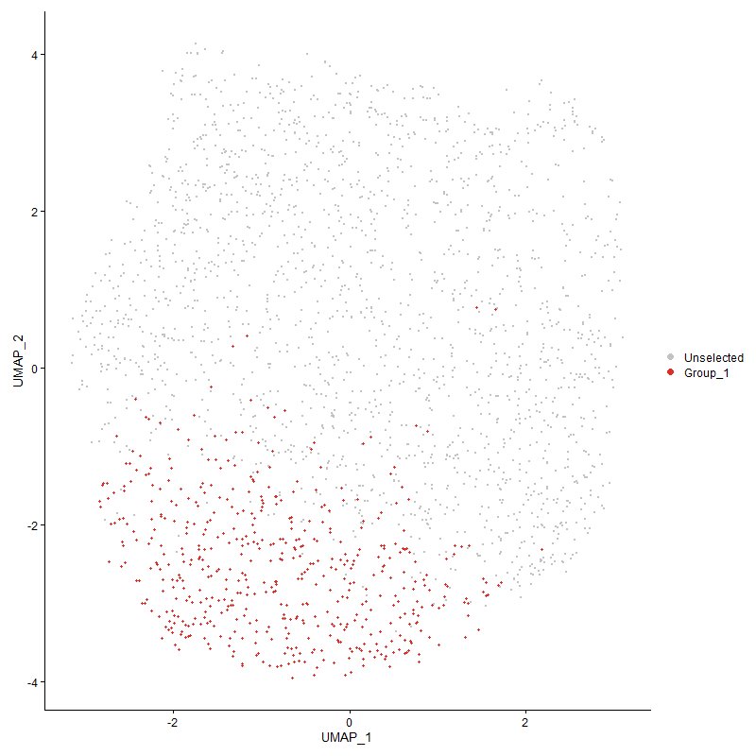
...

Cluster3
...
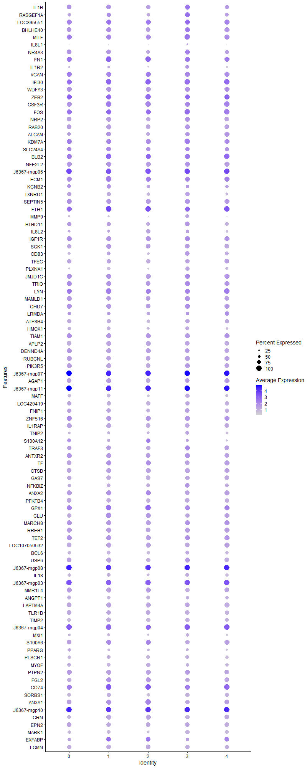
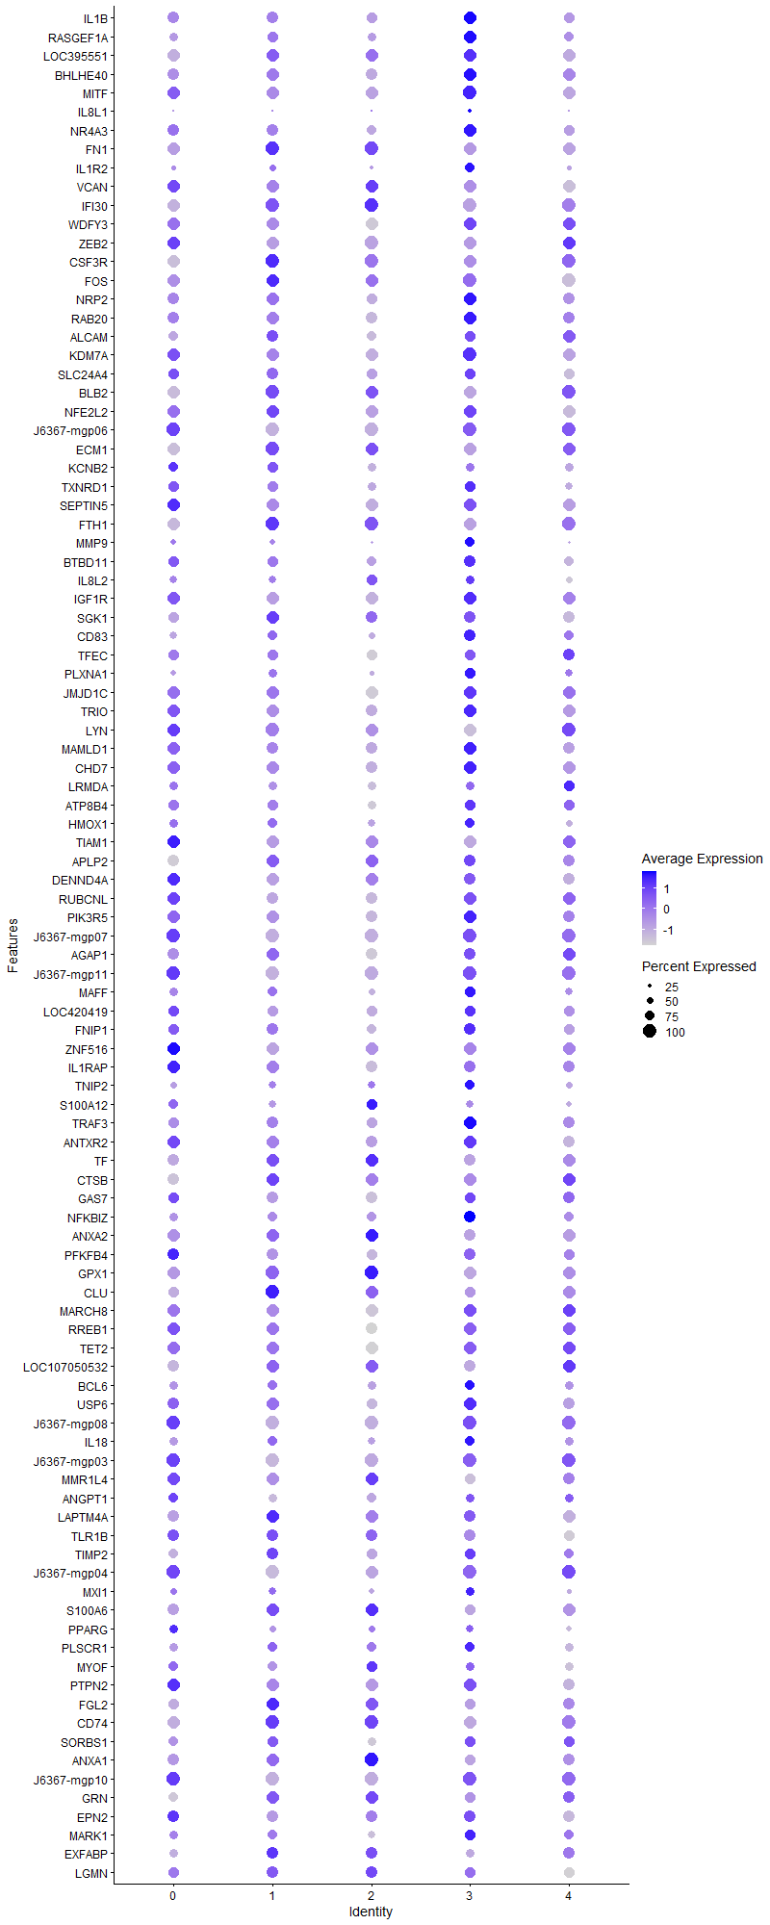
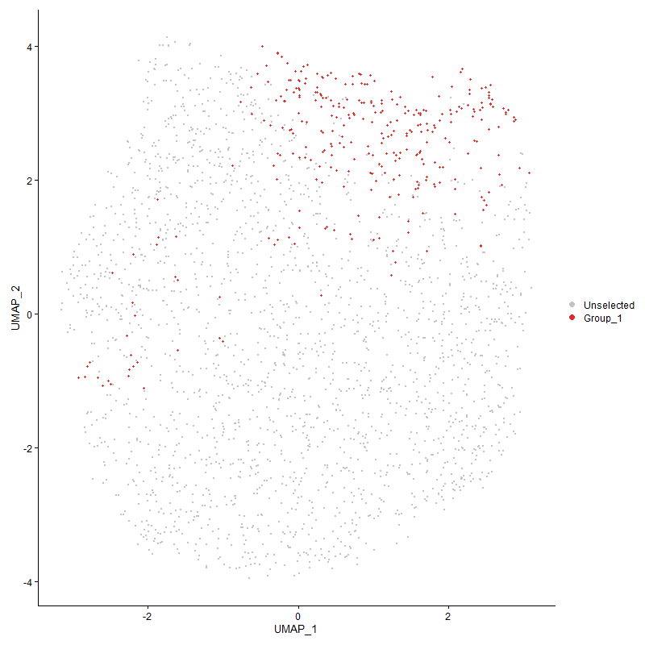
...

Cluster4
...



