Clustered cells
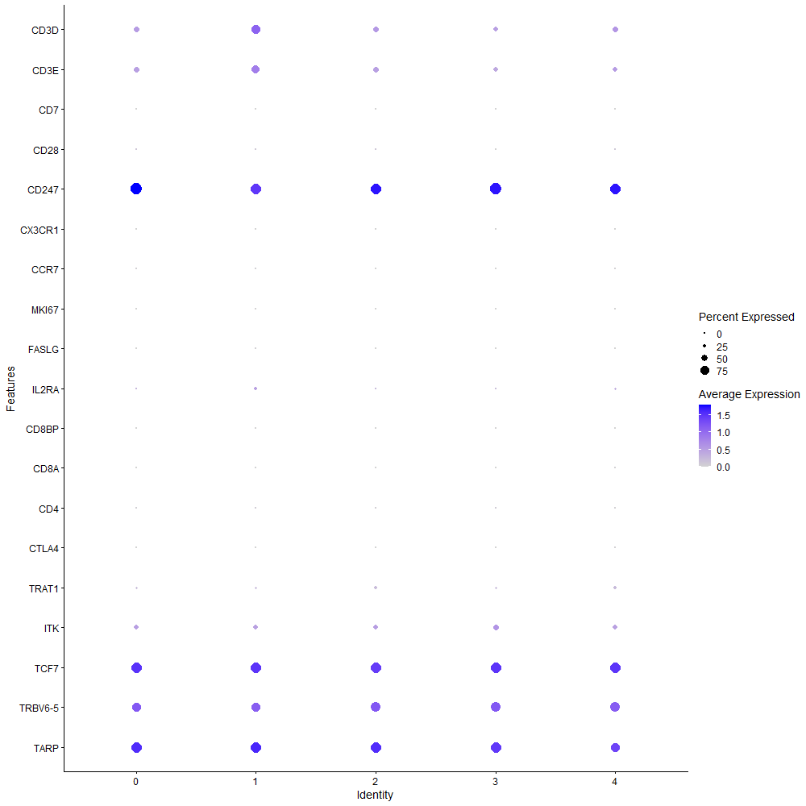
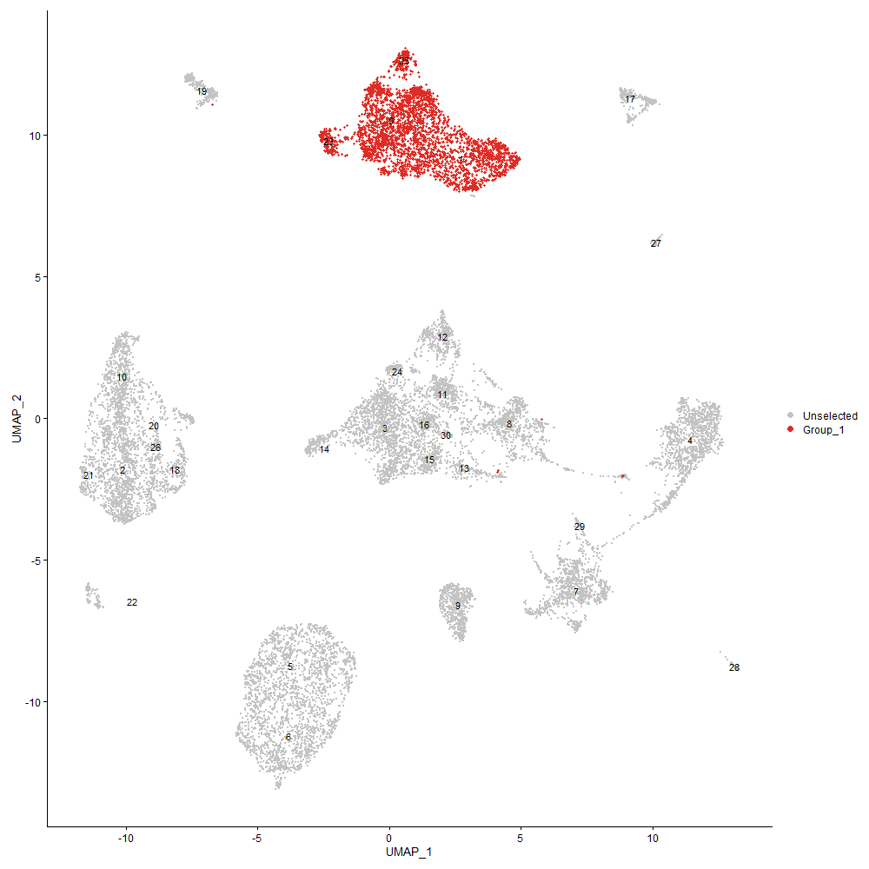
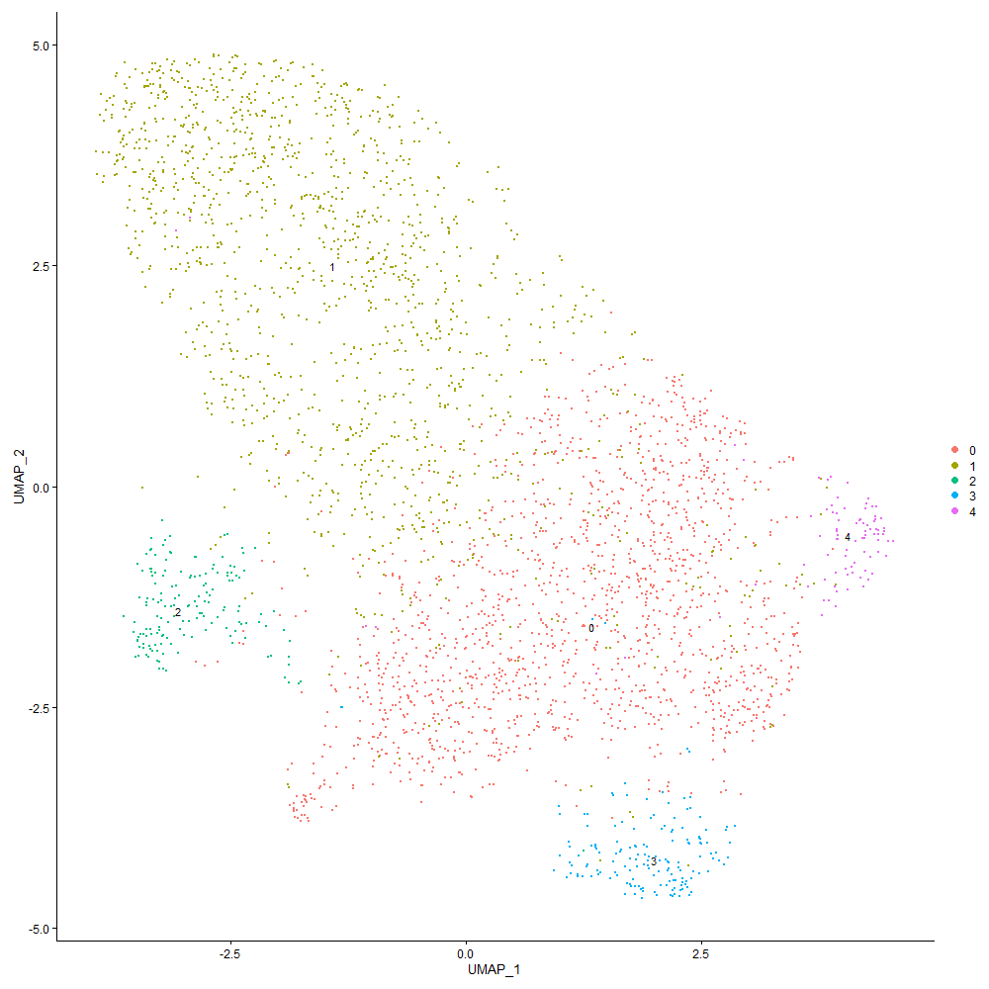
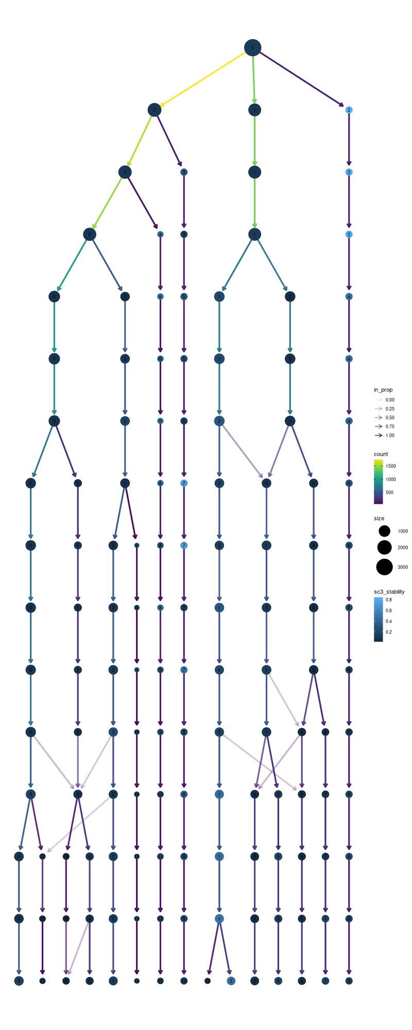

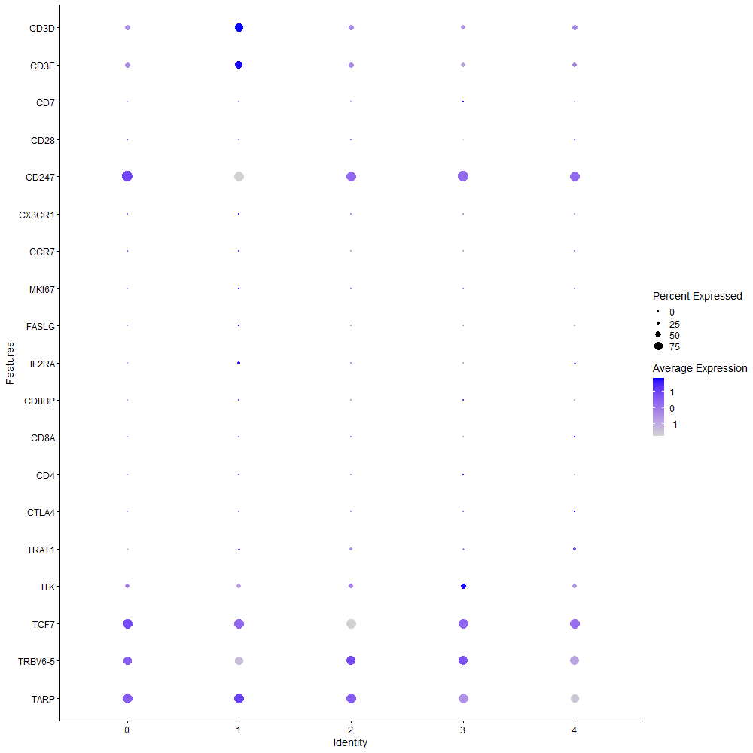
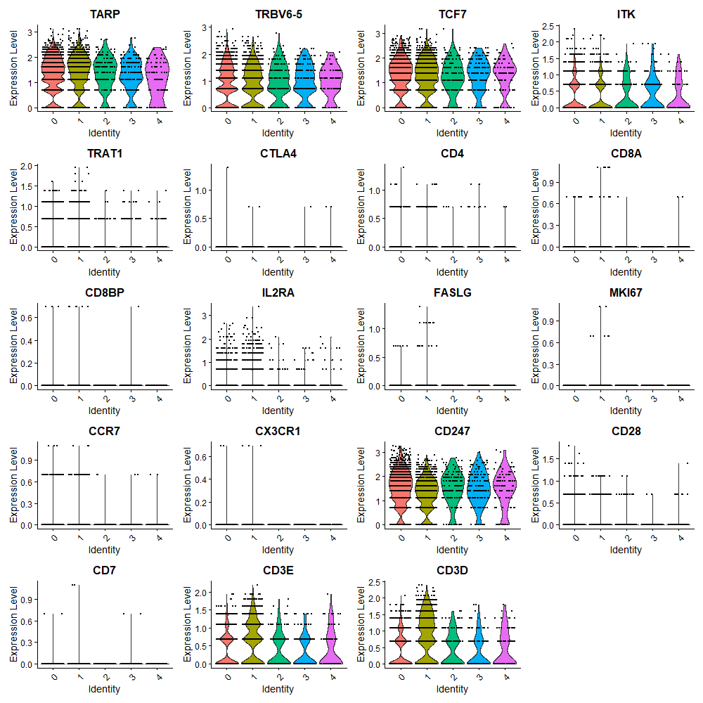

Cluster0
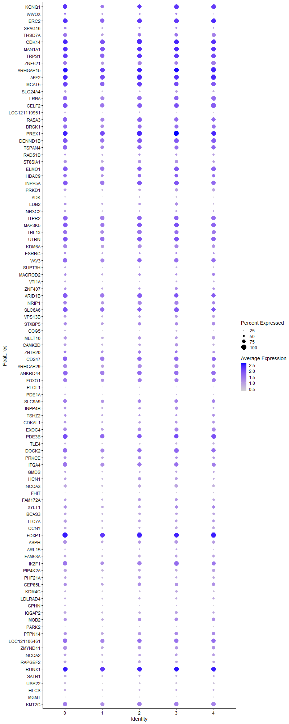
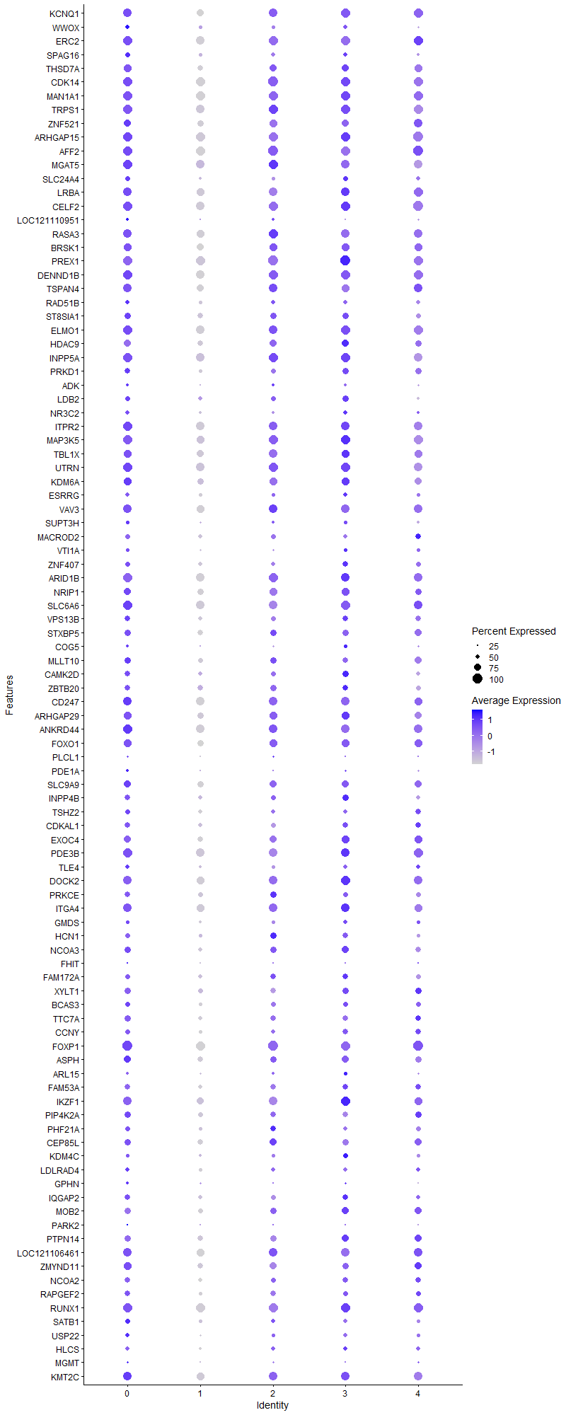
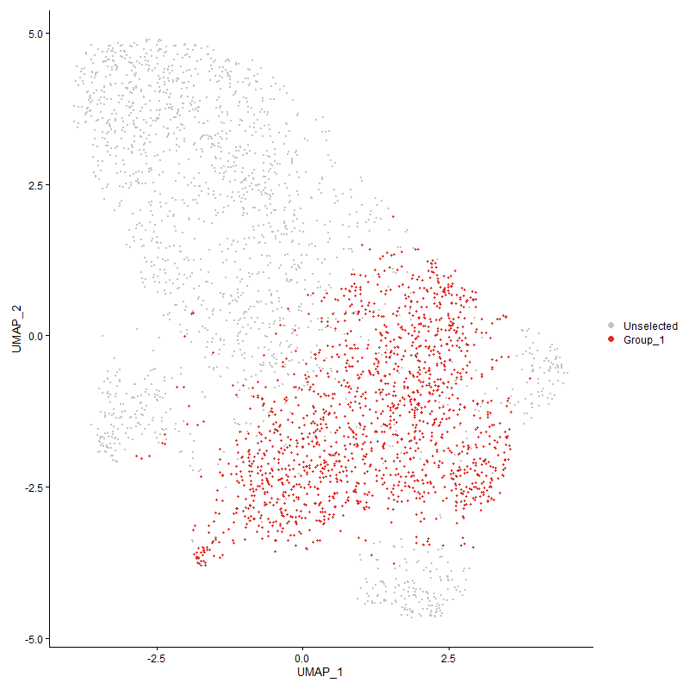
 | p_val | avg_log2FC | pct.1 | pct.2 | p_val_adj | cluster | gene
KCNQ1 | 1.9815837938E-98 | 0.81695428838 | 0.928 | 0.804 | 3.0260766116E-94 | 0 | KCNQ1
WWOX | 1.4581324336E-20 | 0.79162956917 | 0.5 | 0.406 | 2.2267140393E-16 | 0 | WWOX
ERC2 | 3.204794656E-74 | 0.65023147237 | 0.964 | 0.904 | 4.8940419192E-70 | 0 | ERC2
SPAG16 | 3.5131155497E-31 | 0.60870989418 | 0.577 | 0.423 | 5.3648787559E-27 | 0 | SPAG16
THSD7A | 9.6522885431E-48 | 0.53762471573 | 0.801 | 0.637 | 1.4740009834E-43 | 0 | THSD7A
CDK14 | 6.3571861324E-80 | 0.51494309313 | 0.988 | 0.968 | 9.7080589427E-76 | 0 | CDK14
MAN1A1 | 2.3863176437E-65 | 0.49267859059 | 0.989 | 0.965 | 3.6441456737E-61 | 0 | MAN1A1
TRPS1 | 1.1035502264E-47 | 0.49212196241 | 0.956 | 0.905 | 1.6852315508E-43 | 0 | TRPS1
ZNF521 | 2.5665085154E-31 | 0.49133479381 | 0.797 | 0.709 | 3.9193151539E-27 | 0 | ZNF521
ARHGAP15 | 2.4552035387E-71 | 0.48468538707 | 0.993 | 0.977 | 3.7493413239E-67 | 0 | ARHGAP15
AFF2 | 4.3392195326E-66 | 0.46668680329 | 0.991 | 0.976 | 6.6264221483E-62 | 0 | AFF2
MGAT5 | 7.5531686465E-40 | 0.46428077662 | 0.961 | 0.91 | 1.153444384E-35 | 0 | MGAT5
SLC24A4 | 1.3823033396E-24 | 0.45161493865 | 0.542 | 0.394 | 2.1109154299E-20 | 0 | SLC24A4
LRBA | 3.4107519552E-42 | 0.44894994073 | 0.906 | 0.845 | 5.2085593107E-38 | 0 | LRBA
CELF2 | 1.5719272026E-54 | 0.44680176891 | 0.96 | 0.927 | 2.4004900311E-50 | 0 | CELF2
LOC121110951 | 6.3386059808E-10 | 0.43782817922 | 0.35 | 0.266 | 9.6796851932E-06 | 0 | LOC121110951
RASA3 | 6.5045041599E-39 | 0.43574235084 | 0.916 | 0.87 | 9.9330283026E-35 | 0 | RASA3
BRSK1 | 1.124894632E-27 | 0.43340979972 | 0.836 | 0.764 | 1.7178265925E-23 | 0 | BRSK1
PREX1 | 4.2942412967E-70 | 0.43148267745 | 0.995 | 0.983 | 6.5577358841E-66 | 0 | PREX1
DENND1B | 7.3664847548E-54 | 0.42738678328 | 0.974 | 0.938 | 1.1249358869E-49 | 0 | DENND1B
TSPAN4 | 6.2503359261E-32 | 0.42623013831 | 0.885 | 0.809 | 9.5448879927E-28 | 0 | TSPAN4
RAD51B | 3.1755468925E-08 | 0.41948430369 | 0.508 | 0.451 | 0.00048493776596 | 0 | RAD51B
ST8SIA1 | 6.3002378001E-25 | 0.41726511943 | 0.728 | 0.628 | 9.6210931445E-21 | 0 | ST8SIA1
ELMO1 | 2.5277287575E-35 | 0.41615549341 | 0.943 | 0.889 | 3.8600945856E-31 | 0 | ELMO1
HDAC9 | 3.5901358481E-19 | 0.41452513494 | 0.742 | 0.659 | 5.4824964536E-15 | 0 | HDAC9
INPP5A | 2.7581144441E-46 | 0.41351831186 | 0.965 | 0.911 | 4.2119165676E-42 | 0 | INPP5A
PRKD1 | 2.4355143626E-21 | 0.40335396164 | 0.611 | 0.488 | 3.7192739831E-17 | 0 | PRKD1
ADK | 6.2089127176E-13 | 0.39959668658 | 0.334 | 0.236 | 9.4816306111E-09 | 0 | ADK
LDB2 | 4.9707285816E-10 | 0.39416898421 | 0.583 | 0.516 | 7.5907996169E-06 | 0 | LDB2
NR3C2 | 4.1494314669E-17 | 0.39382367231 | 0.488 | 0.366 | 6.336596793E-13 | 0 | NR3C2
ITPR2 | 1.8331316963E-41 | 0.39187728122 | 0.952 | 0.881 | 2.7993754134E-37 | 0 | ITPR2
MAP3K5 | 8.715447627E-35 | 0.3894176123 | 0.943 | 0.879 | 1.3309360071E-30 | 0 | MAP3K5
TBL1X | 2.366456044E-25 | 0.38765385181 | 0.861 | 0.797 | 3.6138150248E-21 | 0 | TBL1X
UTRN | 1.2564214584E-38 | 0.38749583591 | 0.964 | 0.925 | 1.918681209E-34 | 0 | UTRN
KDM6A | 2.0418465288E-35 | 0.38738113883 | 0.846 | 0.73 | 3.1181038342E-31 | 0 | KDM6A
ESRRG | 4.4844583125E-09 | 0.38603880924 | 0.49 | 0.416 | 6.848216289E-05 | 0 | ESRRG
VAV3 | 1.3184926213E-26 | 0.38424492314 | 0.882 | 0.849 | 2.013470082E-22 | 0 | VAV3
SUPT3H | 2.3445846762E-15 | 0.3833957276 | 0.449 | 0.337 | 3.580415259E-11 | 0 | SUPT3H
MACROD2 | 8.0612270665E-13 | 0.38325910399 | 0.571 | 0.49 | 1.2310299853E-08 | 0 | MACROD2
VTI1A | 6.6964485209E-11 | 0.37517066431 | 0.425 | 0.339 | 1.0226146536E-06 | 0 | VTI1A
ZNF407 | 1.7959406149E-08 | 0.36678573073 | 0.549 | 0.515 | 0.00027425809131 | 0 | ZNF407
ARID1B | 4.5669608314E-32 | 0.3652642514 | 0.933 | 0.898 | 6.9742058856E-28 | 0 | ARID1B
NRIP1 | 7.6813879853E-19 | 0.36107526272 | 0.768 | 0.698 | 1.1730247592E-14 | 0 | NRIP1
SLC6A6 | 5.8699618558E-22 | 0.35812090069 | 0.951 | 0.918 | 8.96401875E-18 | 0 | SLC6A6
VPS13B | 3.2764845779E-21 | 0.35762095122 | 0.652 | 0.526 | 5.0035195989E-17 | 0 | VPS13B
STXBP5 | 2.3085568601E-14 | 0.35716842622 | 0.713 | 0.645 | 3.5253971811E-10 | 0 | STXBP5
COG5 | 3.8870877926E-15 | 0.35650821983 | 0.385 | 0.278 | 5.9359717681E-11 | 0 | COG5
MLLT10 | 2.7438387886E-20 | 0.35603908294 | 0.708 | 0.603 | 4.1901162141E-16 | 0 | MLLT10
CAMK2D | 2.7045242936E-18 | 0.35587516138 | 0.63 | 0.533 | 4.1300790488E-14 | 0 | CAMK2D
ZBTB20 | 1.4445704989E-10 | 0.35231133283 | 0.663 | 0.62 | 2.2060036089E-06 | 0 | ZBTB20
CD247 | 1.8923442518E-19 | 0.35095901385 | 0.93 | 0.889 | 2.889798907E-15 | 0 | CD247
ARHGAP29 | 1.5748861887E-24 | 0.35072457731 | 0.822 | 0.713 | 2.4050086987E-20 | 0 | ARHGAP29
ANKRD44 | 3.7786857339E-33 | 0.34968209126 | 0.946 | 0.885 | 5.7704309842E-29 | 0 | ANKRD44
FOXO1 | 2.0677947216E-23 | 0.34950525982 | 0.835 | 0.742 | 3.1577293193E-19 | 0 | FOXO1
PLCL1 | 7.100660503E-09 | 0.34926430706 | 0.291 | 0.215 | 0.00010843418654 | 0 | PLCL1
PDE1A | 1.8038824524E-08 | 0.34666426752 | 0.333 | 0.257 | 0.0002754708893 | 0 | PDE1A
SLC9A9 | 3.4547115059E-13 | 0.34501069538 | 0.742 | 0.695 | 5.2756899407E-09 | 0 | SLC9A9
INPP4B | 9.1348887886E-16 | 0.34462242623 | 0.63 | 0.542 | 1.3949888669E-11 | 0 | INPP4B
TSHZ2 | 3.3440844095E-09 | 0.34313630144 | 0.579 | 0.517 | 5.1067513017E-05 | 0 | TSHZ2
CDKAL1 | 1.1008491883E-16 | 0.34312035251 | 0.628 | 0.524 | 1.6811067954E-12 | 0 | CDKAL1
EXOC4 | 4.8588653807E-20 | 0.33934447507 | 0.76 | 0.68 | 7.4199733229E-16 | 0 | EXOC4
PDE3B | 8.0218565923E-24 | 0.33889672144 | 0.947 | 0.922 | 1.2250177202E-19 | 0 | PDE3B
TLE4 | 6.9311541209E-16 | 0.33783476577 | 0.486 | 0.368 | 1.0584565458E-11 | 0 | TLE4
DOCK2 | 1.0615546871E-28 | 0.33727169211 | 0.923 | 0.862 | 1.6211001626E-24 | 0 | DOCK2
PRKCE | 1.856942493E-10 | 0.33670854735 | 0.617 | 0.557 | 2.835736881E-06 | 0 | PRKCE
ITGA4 | 2.0062700302E-28 | 0.33312797262 | 0.898 | 0.832 | 3.0637749631E-24 | 0 | ITGA4
GMDS | 6.4858264189E-08 | 0.3323606959 | 0.444 | 0.386 | 0.00099045055244 | 0 | GMDS
HCN1 | 1.3209377426E-14 | 0.33141647305 | 0.577 | 0.483 | 2.0172040268E-10 | 0 | HCN1
NCOA3 | 1.2912895858E-24 | 0.33080314773 | 0.678 | 0.545 | 1.9719283265E-20 | 0 | NCOA3
FHIT | 0.0030608489393 | 0.32800528269 | 0.179 | 0.147 | 1 | 0 | FHIT
FAM172A | 6.7005561442E-11 | 0.32638870662 | 0.587 | 0.517 | 1.0232419288E-06 | 0 | FAM172A
XYLT1 | 2.0498663891E-14 | 0.32636549384 | 0.687 | 0.591 | 3.1303509628E-10 | 0 | XYLT1
BCAS3 | 2.7338052439E-12 | 0.32620026041 | 0.543 | 0.458 | 4.174793988E-08 | 0 | BCAS3
TTC7A | 8.1840123956E-19 | 0.32492929117 | 0.665 | 0.542 | 1.2497805329E-14 | 0 | TTC7A
CCNY | 2.7869704892E-16 | 0.32435971826 | 0.561 | 0.453 | 4.255982634E-12 | 0 | CCNY
FOXP1 | 9.5452737209E-42 | 0.32349256685 | 0.999 | 0.997 | 1.4576587499E-37 | 0 | FOXP1
ASPH | 6.5020713256E-19 | 0.32207826768 | 0.752 | 0.636 | 9.9293131213E-15 | 0 | ASPH
ARL15 | 4.0928875503E-07 | 0.32116048535 | 0.364 | 0.298 | 0.006250248578 | 0 | ARL15
FAM53A | 1.4321291943E-17 | 0.31987876557 | 0.626 | 0.52 | 2.1870044926E-13 | 0 | FAM53A
IKZF1 | 2.0084555185E-21 | 0.31944646807 | 0.873 | 0.807 | 3.0671124224E-17 | 0 | IKZF1
PIP4K2A | 1.7741000526E-20 | 0.31933740274 | 0.665 | 0.567 | 2.7092281903E-16 | 0 | PIP4K2A
PHF21A | 5.5267953652E-14 | 0.31891455663 | 0.578 | 0.482 | 8.4399692022E-10 | 0 | PHF21A
CEP85L | 4.8995382097E-13 | 0.31890336385 | 0.714 | 0.648 | 7.4820848E-09 | 0 | CEP85L
KDM4C | 1.0475934018E-10 | 0.31792988838 | 0.445 | 0.362 | 1.5997798839E-06 | 0 | KDM4C
LDLRAD4 | 2.0716871279E-10 | 0.31471165017 | 0.494 | 0.417 | 3.1636734131E-06 | 0 | LDLRAD4
GPHN | 3.0749802378E-09 | 0.31442995035 | 0.371 | 0.294 | 4.6958023212E-05 | 0 | GPHN
IQGAP2 | 1.0706711683E-20 | 0.3142337031 | 0.636 | 0.496 | 1.6350219411E-16 | 0 | IQGAP2
MOB2 | 3.416078776E-15 | 0.31417497502 | 0.687 | 0.613 | 5.2166938988E-11 | 0 | MOB2
PARK2 | 0.00022666778745 | 0.3131145679 | 0.234 | 0.193 | 1 | 0 | PARK2
PTPN14 | 4.2065444708E-16 | 0.31139873806 | 0.724 | 0.644 | 6.4238140614E-12 | 0 | PTPN14
LOC121106461 | 1.2325969286E-16 | 0.31108794484 | 0.882 | 0.84 | 1.8822987697E-12 | 0 | LOC121106461
ZMYND11 | 2.2521204264E-25 | 0.3110423008 | 0.8 | 0.669 | 3.4392131032E-21 | 0 | ZMYND11
NCOA2 | 1.4596195863E-11 | 0.3108048292 | 0.617 | 0.536 | 2.2289850703E-07 | 0 | NCOA2
RAPGEF2 | 5.4202380466E-16 | 0.31060973695 | 0.598 | 0.486 | 8.2772455209E-12 | 0 | RAPGEF2
RUNX1 | 1.0028212415E-35 | 0.30855170748 | 0.995 | 0.988 | 1.531408318E-31 | 0 | RUNX1
SATB1 | 2.4714473508E-14 | 0.30345536694 | 0.548 | 0.44 | 3.7741472494E-10 | 0 | SATB1
USP22 | 1.5393511539E-18 | 0.30169906895 | 0.475 | 0.344 | 2.3507431471E-14 | 0 | USP22
HLCS | 7.4446144093E-11 | 0.2971274919 | 0.49 | 0.395 | 1.1368670664E-06 | 0 | HLCS
MGMT | 2.3583777815E-09 | 0.29316056879 | 0.326 | 0.246 | 3.6014787102E-05 | 0 | MGMT
KMT2C | 1.9412230751E-23 | 0.29203841702 | 0.915 | 0.845 | 2.964441758E-19 | 0 | KMT2C
LEF1 | 1.9307462907E-14 | 0.29132678653 | 0.686 | 0.593 | 2.9484426605E-10 | 0 | LEF1
LOC121109066 | 4.4248087744E-21 | 0.28887433118 | 0.881 | 0.786 | 6.7571254793E-17 | 0 | LOC121109066
TOX | 1.5026045857E-07 | 0.28700133209 | 0.492 | 0.418 | 0.0022946274628 | 0 | TOX
MBOAT1 | 2.2767112343E-14 | 0.28629515602 | 0.535 | 0.424 | 3.4767657259E-10 | 0 | MBOAT1
ZNRF2 | 1.4801340852E-17 | 0.28361905594 | 0.849 | 0.78 | 2.2603127614E-13 | 0 | ZNRF2
SH3RF3 | 4.3275357588E-07 | 0.2832919073 | 0.162 | 0.106 | 0.0066085798572 | 0 | SH3RF3
LOC100859602 | 5.5046975012E-18 | 0.28315307008 | 0.786 | 0.695 | 8.4062235541E-14 | 0 | LOC100859602
FBRSL1 | 9.8375263207E-28 | 0.28288351061 | 0.979 | 0.96 | 1.5022886444E-23 | 0 | FBRSL1
SH3KBP1 | 5.6818446839E-14 | 0.28206143825 | 0.816 | 0.761 | 8.6767450168E-10 | 0 | SH3KBP1
TBC1D5 | 8.3535729613E-09 | 0.28191435164 | 0.704 | 0.683 | 0.00012756741269 | 0 | TBC1D5
ARAP2 | 1.5233671145E-12 | 0.28126273705 | 0.704 | 0.639 | 2.3263339205E-08 | 0 | ARAP2
FAM49B | 7.9321139831E-13 | 0.28115439612 | 0.639 | 0.546 | 1.2113131264E-08 | 0 | FAM49B
NRK | 3.6456750942E-26 | 0.28074408651 | 0.962 | 0.931 | 5.5673104364E-22 | 0 | NRK
FARS2 | 5.645077258E-12 | 0.28007711448 | 0.305 | 0.208 | 8.6205974807E-08 | 0 | FARS2
SIPA1L1 | 1.145971582E-11 | 0.27937573421 | 0.468 | 0.375 | 1.7500132028E-07 | 0 | SIPA1L1
LOC112532804 | 1.833614769E-05 | 0.27935758943 | 0.145 | 0.098 | 0.28001131138 | 0 | LOC112532804
ERBIN | 7.7605723247E-14 | 0.27913949044 | 0.781 | 0.729 | 1.1851169997E-09 | 0 | ERBIN
TRAPPC9 | 8.548333041E-05 | 0.27886894255 | 0.415 | 0.369 | 1 | 0 | TRAPPC9
MAP4K4 | 5.9884384434E-13 | 0.27721296345 | 0.725 | 0.644 | 9.1449443469E-09 | 0 | MAP4K4
SESN1 | 1.7786967103E-11 | 0.27472741662 | 0.434 | 0.336 | 2.7162477463E-07 | 0 | SESN1
PLCL2 | 7.29944987E-10 | 0.2743573518 | 0.586 | 0.52 | 1.1146989897E-05 | 0 | PLCL2
TPK1 | 5.876314269E-11 | 0.27362791417 | 0.363 | 0.268 | 8.9737195202E-07 | 0 | TPK1
PPP1R12A | 1.8620251066E-16 | 0.27305978712 | 0.793 | 0.711 | 2.8434985402E-12 | 0 | PPP1R12A
ASAP1 | 8.4451045309E-12 | 0.27176994821 | 0.524 | 0.43 | 1.2896519129E-07 | 0 | ASAP1
STAG1 | 3.2740468528E-11 | 0.27140916063 | 0.498 | 0.413 | 4.9997969489E-07 | 0 | STAG1
DOCK10 | 1.4158937777E-15 | 0.26840930909 | 0.776 | 0.69 | 2.1622113879E-11 | 0 | DOCK10
TBXAS1 | 3.051832525E-08 | 0.26804059374 | 0.544 | 0.477 | 0.00046604534489 | 0 | TBXAS1
PAG1 | 1.1735817923E-16 | 0.26699992892 | 0.904 | 0.885 | 1.792176755E-12 | 0 | PAG1
RORA | 4.2438281711E-05 | 0.26335095768 | 0.662 | 0.633 | 0.648075 | 0 | RORA
TCF12 | 3.1030785157E-11 | 0.26022497807 | 0.497 | 0.409 | 4.7387112014E-07 | 0 | TCF12
USP34 | 5.9151194692E-11 | 0.25851805108 | 0.587 | 0.515 | 9.0329789415E-07 | 0 | USP34
FBXL17 | 4.6355201276E-06 | 0.25786484552 | 0.323 | 0.266 | 0.070789027869 | 0 | FBXL17
LOC101749809 | 1.2159728626E-12 | 0.25742791775 | 0.844 | 0.79 | 1.8569121585E-08 | 0 | LOC101749809
CMSS1 | 4.3673259314E-06 | 0.25515212113 | 0.253 | 0.196 | 0.066693434299 | 0 | CMSS1
SLC4A11 | 1.749148558E-17 | 0.25348713045 | 0.405 | 0.278 | 2.671124763E-13 | 0 | SLC4A11
BTBD9 | 1.8272764112E-07 | 0.25211068085 | 0.391 | 0.328 | 0.0027904338076 | 0 | BTBD9
BRF1 | 1.6544959479E-11 | 0.2516796483 | 0.426 | 0.328 | 2.5265807621E-07 | 0 | BRF1
KAT6B | 1.8666929785E-15 | 0.25156902341 | 0.572 | 0.449 | 2.8506268475E-11 | 0 | KAT6B
LOC101752250 | 2.0214856155E-07 | 0.2513412515 | 0.439 | 0.371 | 0.0030870106834 | 0 | LOC101752250
DPYD | 0.0018515330528 | 0.25094964321 | 0.359 | 0.331 | 1 | 0 | DPYD
CLASP1 | 4.6393394498E-14 | 0.25032984652 | 0.324 | 0.217 | 7.0847352739E-10 | 0 | CLASP1
EXOC2 | 1.8534518265E-12 | 0.2500267229 | 0.52 | 0.421 | 2.8304062842E-08 | 0 | EXOC2

Cluster1
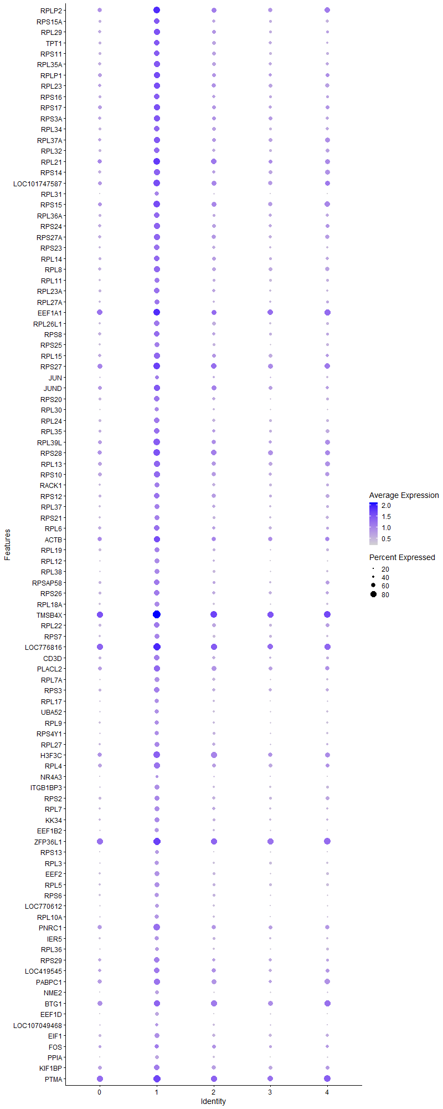
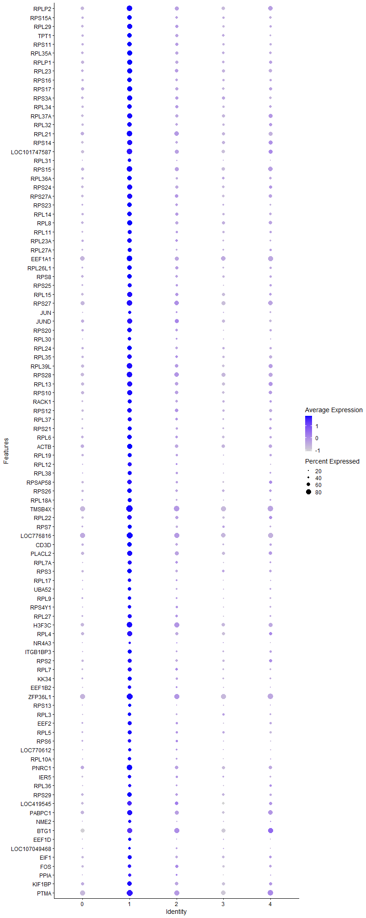
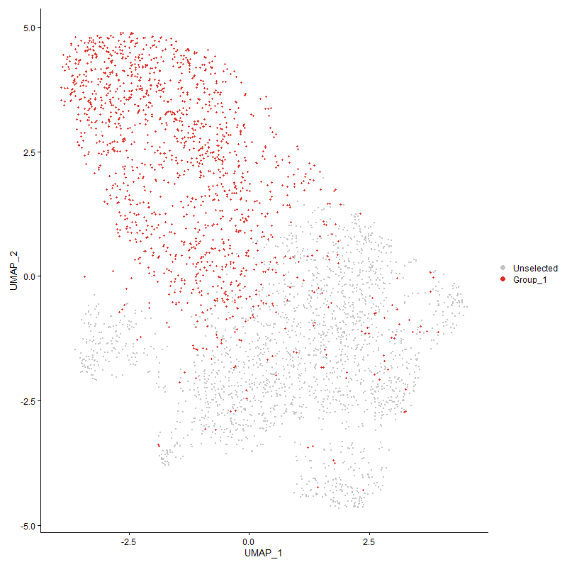
 | p_val | avg_log2FC | pct.1 | pct.2 | p_val_adj | cluster | gene
RPLP2 | 3.2200530703E-191 | 1.3970016089 | 0.865 | 0.61 | 4.9173430436E-187 | 1 | RPLP2
RPS15A | 1.1901776735E-165 | 1.2784585663 | 0.764 | 0.421 | 1.8175203253E-161 | 1 | RPS15A
RPL29 | 2.2909386328E-167 | 1.2733986104 | 0.785 | 0.474 | 3.4984923862E-163 | 1 | RPL29
TPT1 | 1.3357173172E-152 | 1.2650922723 | 0.755 | 0.449 | 2.0397739152E-148 | 1 | TPT1
RPS11 | 1.5653060911E-164 | 1.2377928952 | 0.766 | 0.443 | 2.3903789318E-160 | 1 | RPS11
RPL35A | 4.0593291916E-164 | 1.2192046608 | 0.792 | 0.495 | 6.1990016085E-160 | 1 | RPL35A
RPLP1 | 3.4004678797E-158 | 1.194505818 | 0.83 | 0.558 | 5.1928544991E-154 | 1 | RPLP1
RPL23 | 6.1742798258E-163 | 1.1906677485 | 0.814 | 0.533 | 9.428742722E-159 | 1 | RPL23
RPS16 | 1.1478899741E-139 | 1.1394046197 | 0.755 | 0.463 | 1.7529427794E-135 | 1 | RPS16
RPS17 | 1.9730895531E-151 | 1.1196615948 | 0.815 | 0.549 | 3.0131050566E-147 | 1 | RPS17
RPS3A | 2.0544287838E-146 | 1.1062687433 | 0.801 | 0.522 | 3.1373181958E-142 | 1 | RPS3A
RPL34 | 4.1097577517E-143 | 1.0903903956 | 0.753 | 0.439 | 6.2760110627E-139 | 1 | RPL34
RPL37A | 5.9801762653E-146 | 1.0799723694 | 0.796 | 0.515 | 9.1323271748E-142 | 1 | RPL37A
RPL32 | 2.8125333639E-133 | 1.0741989446 | 0.729 | 0.426 | 4.2950196999E-129 | 1 | RPL32
RPL21 | 5.9366941698E-137 | 1.0732152968 | 0.851 | 0.626 | 9.0659256667E-133 | 1 | RPL21
RPS14 | 1.1420254838E-146 | 1.0695017193 | 0.788 | 0.489 | 1.7439871164E-142 | 1 | RPS14
LOC101747587 | 1.6335472875E-161 | 1.033541492 | 0.863 | 0.598 | 2.4945900628E-157 | 1 | LOC101747587
RPL31 | 7.7787252281E-144 | 1.0262557335 | 0.639 | 0.258 | 1.1878891296E-139 | 1 | RPL31
RPS15 | 6.5857065108E-149 | 1.0153847074 | 0.849 | 0.588 | 1.0057032413E-144 | 1 | RPS15
RPL36A | 8.5731175626E-128 | 1.0061537684 | 0.741 | 0.434 | 1.309200783E-123 | 1 | RPL36A
RPS24 | 2.0913119567E-144 | 1.0055030077 | 0.802 | 0.489 | 3.193642489E-140 | 1 | RPS24
RPS27A | 1.1878217493E-149 | 0.99485072308 | 0.792 | 0.491 | 1.8139225934E-145 | 1 | RPS27A
RPS23 | 4.6889898278E-140 | 0.99400472826 | 0.736 | 0.395 | 7.160556366E-136 | 1 | RPS23
RPL14 | 1.595406955E-120 | 0.98969842097 | 0.746 | 0.469 | 2.436345961E-116 | 1 | RPL14
RPL8 | 7.7548566002E-137 | 0.98198923068 | 0.779 | 0.504 | 1.1842441514E-132 | 1 | RPL8
RPL11 | 1.1532413086E-116 | 0.9690574169 | 0.688 | 0.382 | 1.7611148024E-112 | 1 | RPL11
RPL23A | 1.5537426731E-141 | 0.96665194005 | 0.755 | 0.423 | 2.3727204361E-137 | 1 | RPL23A
RPL27A | 7.7023154118E-124 | 0.96453271574 | 0.701 | 0.367 | 1.1762205865E-119 | 1 | RPL27A
EEF1A1 | 1.3584862192E-116 | 0.96269172758 | 0.877 | 0.736 | 2.0745443053E-112 | 1 | EEF1A1
RPL26L1 | 1.6174943026E-131 | 0.96123855302 | 0.715 | 0.391 | 2.4700755495E-127 | 1 | RPL26L1
RPS8 | 1.901484962E-127 | 0.95537059201 | 0.769 | 0.476 | 2.9037576854E-123 | 1 | RPS8
RPS25 | 1.1642698308E-126 | 0.94476549165 | 0.682 | 0.354 | 1.7779564586E-122 | 1 | RPS25
RPL15 | 5.8599841681E-134 | 0.94024085727 | 0.79 | 0.487 | 8.9487818231E-130 | 1 | RPL15
RPS27 | 1.0434175158E-125 | 0.93647228485 | 0.872 | 0.688 | 1.5934028884E-121 | 1 | RPS27
JUN | 6.3916729459E-72 | 0.91765328026 | 0.581 | 0.316 | 9.7607237556E-68 | 1 | JUN
JUND | 7.3308591104E-104 | 0.91579379983 | 0.821 | 0.582 | 1.1194954947E-99 | 1 | JUND
RPS20 | 2.7487804344E-118 | 0.91555427864 | 0.719 | 0.407 | 4.1976626013E-114 | 1 | RPS20
RPL30 | 5.8700815668E-120 | 0.90417694129 | 0.642 | 0.302 | 8.9642015607E-116 | 1 | RPL30
RPL24 | 1.7062819483E-116 | 0.90043384237 | 0.724 | 0.436 | 2.6056631632E-112 | 1 | RPL24
RPL35 | 1.1120612161E-127 | 0.89945831409 | 0.756 | 0.444 | 1.6982286831E-123 | 1 | RPL35
RPL39L | 2.8419935766E-147 | 0.89791823874 | 0.848 | 0.559 | 4.3400083908E-143 | 1 | RPL39L
RPS28 | 2.4761878551E-128 | 0.88684499634 | 0.855 | 0.646 | 3.7813864736E-124 | 1 | RPS28
RPL13 | 5.5779155424E-128 | 0.88129213144 | 0.816 | 0.55 | 8.5180348247E-124 | 1 | RPL13
RPS10 | 9.9877935998E-133 | 0.878950965 | 0.814 | 0.538 | 1.5252359606E-128 | 1 | RPS10
RACK1 | 4.2748074671E-118 | 0.86898290499 | 0.708 | 0.394 | 6.528058483E-114 | 1 | RACK1
RPS12 | 3.8857646501E-114 | 0.86846665764 | 0.746 | 0.47 | 5.9339511972E-110 | 1 | RPS12
RPL37 | 9.2135769437E-122 | 0.86642225495 | 0.702 | 0.375 | 1.4070053351E-117 | 1 | RPL37
RPS21 | 7.140947864E-107 | 0.86485653145 | 0.675 | 0.381 | 1.0904941483E-102 | 1 | RPS21
RPL6 | 2.5983810697E-109 | 0.86242103042 | 0.76 | 0.497 | 3.9679877315E-105 | 1 | RPL6
ACTB | 1.9810108039E-87 | 0.84521012946 | 0.827 | 0.624 | 3.0252015986E-83 | 1 | ACTB
RPL19 | 5.395682189E-117 | 0.84226247686 | 0.703 | 0.405 | 8.2397462708E-113 | 1 | RPL19
RPL12 | 2.8086295044E-117 | 0.82727413316 | 0.657 | 0.327 | 4.2890581162E-113 | 1 | RPL12
RPL38 | 4.687562304E-112 | 0.82487014423 | 0.665 | 0.346 | 7.1583763944E-108 | 1 | RPL38
RPSAP58 | 2.441110387E-115 | 0.82371567922 | 0.743 | 0.45 | 3.7278196719E-111 | 1 | RPSAP58
RPS26 | 5.7978162649E-99 | 0.81085760545 | 0.716 | 0.446 | 8.8538452181E-95 | 1 | RPS26
RPL18A | 7.7938664944E-105 | 0.81031363968 | 0.658 | 0.348 | 1.1902013524E-100 | 1 | RPL18A
TMSB4X | 5.5373460432E-114 | 0.80923709655 | 0.957 | 0.82 | 8.4560811425E-110 | 1 | TMSB4X
RPL22 | 1.7488996838E-119 | 0.80713968488 | 0.751 | 0.435 | 2.6707447072E-115 | 1 | RPL22
RPS7 | 1.7363828186E-104 | 0.79372526229 | 0.686 | 0.385 | 2.6516302023E-100 | 1 | RPS7
LOC776816 | 8.7695670321E-116 | 0.79336130249 | 0.926 | 0.794 | 1.3392005815E-111 | 1 | LOC776816
CD3D | 2.5642828958E-99 | 0.78755606715 | 0.714 | 0.446 | 3.9159164102E-95 | 1 | CD3D
PLACL2 | 9.7396469198E-89 | 0.78636341015 | 0.781 | 0.592 | 1.4873414811E-84 | 1 | PLACL2
RPL7A | 2.7340884255E-116 | 0.7762390485 | 0.668 | 0.336 | 4.1752264347E-112 | 1 | RPL7A
RPS3 | 2.6242910204E-102 | 0.74617019943 | 0.731 | 0.453 | 4.0075548173E-98 | 1 | RPS3
RPL17 | 1.2484904778E-89 | 0.7367349717 | 0.632 | 0.337 | 1.9065698086E-85 | 1 | RPL17
UBA52 | 1.8353341659E-98 | 0.73554845906 | 0.642 | 0.338 | 2.8027388048E-94 | 1 | UBA52
RPL9 | 2.8296873954E-80 | 0.72450226812 | 0.617 | 0.353 | 4.3212156215E-76 | 1 | RPL9
RPS4Y1 | 2.7739818999E-95 | 0.72375197103 | 0.648 | 0.35 | 4.2361477593E-91 | 1 | RPS4Y1
RPL27 | 2.630012403E-87 | 0.71313906392 | 0.678 | 0.404 | 4.0162919407E-83 | 1 | RPL27
H3F3C | 8.6436959943E-107 | 0.71213193309 | 0.85 | 0.637 | 1.3199788153E-102 | 1 | H3F3C
RPL4 | 1.0485302685E-94 | 0.7094760763 | 0.787 | 0.539 | 1.601210573E-90 | 1 | RPL4
NR4A3 | 1.0197193785E-39 | 0.69207618574 | 0.408 | 0.21 | 1.5572134629E-35 | 1 | NR4A3
ITGB1BP3 | 8.7657107378E-93 | 0.69203041619 | 0.655 | 0.351 | 1.3386116868E-88 | 1 | ITGB1BP3
RPS2 | 2.2747523047E-90 | 0.69072967084 | 0.707 | 0.438 | 3.4737742445E-86 | 1 | RPS2
RPL7 | 1.665097699E-81 | 0.68782288593 | 0.658 | 0.391 | 2.5427706962E-77 | 1 | RPL7
KK34 | 2.9362964445E-76 | 0.67449044306 | 0.661 | 0.402 | 4.4840183004E-72 | 1 | KK34
EEF1B2 | 1.0042218214E-77 | 0.67263350761 | 0.591 | 0.315 | 1.5335471434E-73 | 1 | EEF1B2
ZFP36L1 | 1.200846185E-90 | 0.66287205856 | 0.916 | 0.814 | 1.8338122091E-86 | 1 | ZFP36L1
RPS13 | 1.6268791636E-81 | 0.65791521983 | 0.558 | 0.271 | 2.4844071708E-77 | 1 | RPS13
RPL3 | 1.9698388904E-88 | 0.64850783246 | 0.631 | 0.337 | 3.0081409695E-84 | 1 | RPL3
EEF2 | 5.0714321278E-88 | 0.64370452862 | 0.66 | 0.365 | 7.7445840023E-84 | 1 | EEF2
RPL5 | 1.32236778E-79 | 0.63067691832 | 0.659 | 0.382 | 2.0193878369E-75 | 1 | RPL5
RPS6 | 5.8052056293E-78 | 0.62383270211 | 0.621 | 0.353 | 8.8651295165E-74 | 1 | RPS6
LOC770612 | 1.6196852735E-82 | 0.62322114328 | 0.58 | 0.291 | 2.4734213812E-78 | 1 | LOC770612
RPL10A | 3.1922925687E-83 | 0.62040813552 | 0.619 | 0.33 | 4.8749499817E-79 | 1 | RPL10A
PNRC1 | 8.5258383074E-82 | 0.61366681087 | 0.834 | 0.629 | 1.3019807679E-77 | 1 | PNRC1
IER5 | 5.6406660632E-71 | 0.6034509723 | 0.634 | 0.375 | 8.6138611451E-67 | 1 | IER5
RPL36 | 4.371438569E-82 | 0.60232636737 | 0.588 | 0.296 | 6.6756238387E-78 | 1 | RPL36
RPS29 | 3.49236656E-69 | 0.59694719169 | 0.731 | 0.496 | 5.3331929738E-65 | 1 | RPS29
LOC419545 | 3.3807312459E-56 | 0.594053216 | 0.736 | 0.524 | 5.1627146857E-52 | 1 | LOC419545
PABPC1 | 9.6412330639E-77 | 0.59165123448 | 0.816 | 0.601 | 1.4723127012E-72 | 1 | PABPC1
NME2 | 4.1471781099E-84 | 0.58805170905 | 0.566 | 0.269 | 6.3331556917E-80 | 1 | NME2
BTG1 | 7.2091272665E-60 | 0.56808918798 | 0.831 | 0.702 | 1.1009058249E-55 | 1 | BTG1
EEF1D | 6.0044474051E-77 | 0.5566607371 | 0.529 | 0.244 | 9.1693916323E-73 | 1 | EEF1D
LOC107049468 | 1.6332559993E-35 | 0.54694431995 | 0.491 | 0.307 | 2.4941452365E-31 | 1 | LOC107049468
EIF1 | 4.3723117288E-70 | 0.54420233549 | 0.702 | 0.447 | 6.676957241E-66 | 1 | EIF1
FOS | 4.3610825545E-32 | 0.54336919819 | 0.639 | 0.466 | 6.659809169E-28 | 1 | FOS
PPIA | 1.3258482862E-73 | 0.53970388383 | 0.549 | 0.27 | 2.0247029178E-69 | 1 | PPIA
KIF1BP | 8.4232723189E-63 | 0.53728395506 | 0.77 | 0.563 | 1.2863179158E-58 | 1 | KIF1BP
PTMA | 7.3637571928E-54 | 0.53205775051 | 0.907 | 0.793 | 1.1245193609E-49 | 1 | PTMA
RPLP0 | 2.7882859489E-65 | 0.5316440105 | 0.736 | 0.496 | 4.2579914725E-61 | 1 | RPLP0
GPX1 | 8.38047807E-59 | 0.52000661631 | 0.675 | 0.441 | 1.2797828061E-54 | 1 | GPX1
H3F3B | 4.9252731445E-53 | 0.51342157001 | 0.868 | 0.718 | 7.5213846189E-49 | 1 | H3F3B
BF2 | 4.6221699502E-62 | 0.51305757033 | 0.783 | 0.585 | 7.0585157309E-58 | 1 | BF2
BF1 | 1.1583873036E-60 | 0.51038987238 | 0.682 | 0.451 | 1.7689732513E-56 | 1 | BF1
FTH1 | 1.3540300901E-59 | 0.50107817283 | 0.651 | 0.407 | 2.0677393506E-55 | 1 | FTH1
YBX1 | 5.3596651785E-52 | 0.49535645983 | 0.541 | 0.314 | 8.1847446941E-48 | 1 | YBX1
CD3E | 2.3249651192E-54 | 0.47975771168 | 0.648 | 0.436 | 3.5504542336E-50 | 1 | CD3E
DUSP1 | 5.3847813544E-47 | 0.47487759137 | 0.473 | 0.244 | 8.2230996063E-43 | 1 | DUSP1
NFKBIA | 6.8614027534E-38 | 0.45717772786 | 0.81 | 0.697 | 1.0478048145E-33 | 1 | NFKBIA
PTMS | 4.2039375201E-40 | 0.44512980494 | 0.527 | 0.334 | 6.4198329869E-36 | 1 | PTMS
MCL1 | 3.3237817067E-38 | 0.43475443684 | 0.61 | 0.424 | 5.0757470443E-34 | 1 | MCL1
RGS1 | 6.1099902961E-34 | 0.43031261107 | 0.692 | 0.507 | 9.3305661812E-30 | 1 | RGS1
S100A11 | 2.9272029932E-52 | 0.4302413076 | 0.427 | 0.2 | 4.4701316909E-48 | 1 | S100A11
UBB | 1.6883781488E-50 | 0.42294442722 | 0.473 | 0.246 | 2.578322271E-46 | 1 | UBB
LOC107056413 | 2.0096945427E-47 | 0.42111345442 | 0.652 | 0.436 | 3.0690045361E-43 | 1 | LOC107056413
RHOA | 6.4769103839E-48 | 0.41421872432 | 0.573 | 0.342 | 9.8908898473E-44 | 1 | RHOA
TSC22D4 | 3.8427825789E-31 | 0.3967316949 | 0.631 | 0.469 | 5.8683132763E-27 | 1 | TSC22D4
DRD4 | 1.4830386364E-47 | 0.39053652716 | 0.398 | 0.18 | 2.2647483017E-43 | 1 | DRD4
ARF6 | 1.3357802315E-41 | 0.38764384827 | 0.534 | 0.327 | 2.0398699915E-37 | 1 | ARF6
NR4A2 | 1.1496166668E-26 | 0.38547262723 | 0.531 | 0.364 | 1.7555796118E-22 | 1 | NR4A2
NPM1 | 1.1154648572E-35 | 0.37872020427 | 0.612 | 0.428 | 1.7034263834E-31 | 1 | NPM1
OAZ1 | 1.4312688755E-37 | 0.37078185527 | 0.495 | 0.296 | 2.1856906998E-33 | 1 | OAZ1
HSP90AA1 | 5.2119204274E-32 | 0.36369865947 | 0.512 | 0.331 | 7.9591236847E-28 | 1 | HSP90AA1
ITM2A | 2.5221676943E-33 | 0.36344036488 | 0.65 | 0.479 | 3.851602286E-29 | 1 | ITM2A
CRIP1 | 4.6672267759E-40 | 0.36242768993 | 0.415 | 0.215 | 7.1273220095E-36 | 1 | CRIP1
CHCHD2 | 1.0589276851E-51 | 0.35686715688 | 0.397 | 0.171 | 1.6170884679E-47 | 1 | CHCHD2
CALM2 | 6.5284999353E-34 | 0.35686171561 | 0.536 | 0.35 | 9.9696722513E-30 | 1 | CALM2
LOC121107448 | 3.5313876233E-69 | 0.35491394686 | 0.248 | 0.042 | 5.3927820396E-65 | 1 | LOC121107448
GAPDH | 3.2300366138E-41 | 0.35385355303 | 0.434 | 0.227 | 4.9325889129E-37 | 1 | GAPDH
IL2RG | 8.3484300554E-40 | 0.34703036308 | 0.488 | 0.287 | 1.2748887538E-35 | 1 | IL2RG
PMAIP1 | 1.6359178444E-23 | 0.3442578463 | 0.305 | 0.168 | 2.4982101402E-19 | 1 | PMAIP1
SELP | 4.9762292095E-26 | 0.34265004349 | 0.739 | 0.626 | 7.5991996258E-22 | 1 | SELP
TOMM7 | 1.2408035433E-44 | 0.34131669012 | 0.366 | 0.162 | 1.8948310909E-40 | 1 | TOMM7
LOC429682 | 2.2295569771E-36 | 0.34104616987 | 0.489 | 0.288 | 3.4047564597E-32 | 1 | LOC429682
LOC100859737 | 5.9358998076E-39 | 0.33830814719 | 0.388 | 0.196 | 9.0647125962E-35 | 1 | LOC100859737
CEBPD | 4.352414648E-48 | 0.33766550365 | 0.281 | 0.093 | 6.6465724089E-44 | 1 | CEBPD
ID2 | 1.2322279666E-21 | 0.33624741706 | 0.503 | 0.371 | 1.8817353278E-17 | 1 | ID2
SERF2 | 4.439174941E-33 | 0.3323555069 | 0.518 | 0.334 | 6.7790640525E-29 | 1 | SERF2
ATP5L | 2.2622371041E-59 | 0.32834784763 | 0.326 | 0.103 | 3.4546622816E-55 | 1 | ATP5L
DUSP5 | 1.9640234643E-36 | 0.32352191169 | 0.248 | 0.092 | 2.9992602323E-32 | 1 | DUSP5
IL2RA | 3.4207323888E-16 | 0.31959443991 | 0.233 | 0.127 | 5.2238004309E-12 | 1 | IL2RA
HMGN4 | 2.842623029E-40 | 0.31944161875 | 0.403 | 0.2 | 4.3409696277E-36 | 1 | HMGN4
DSTN | 8.4871611167E-29 | 0.31914577471 | 0.731 | 0.593 | 1.2960743741E-24 | 1 | DSTN
ATF4 | 6.5613782268E-19 | 0.31786623852 | 0.564 | 0.442 | 1.001988069E-14 | 1 | ATF4
COX7B | 2.2323165907E-54 | 0.31208463024 | 0.28 | 0.08 | 3.4089706656E-50 | 1 | COX7B
RASGEF1A | 2.5708648079E-17 | 0.31105357744 | 0.378 | 0.243 | 3.9259676482E-13 | 1 | RASGEF1A
CSRNP1 | 1.9763666259E-21 | 0.30811622001 | 0.466 | 0.318 | 3.0181094744E-17 | 1 | CSRNP1
SEPTIN9 | 3.4454657568E-27 | 0.30783485986 | 0.543 | 0.386 | 5.2615707573E-23 | 1 | SEPTIN9
EIF3K | 1.1624905841E-52 | 0.30356775734 | 0.291 | 0.09 | 1.775239371E-48 | 1 | EIF3K
RAC2 | 1.6271697997E-36 | 0.30268076034 | 0.404 | 0.21 | 2.4848510012E-32 | 1 | RAC2
GPR183 | 2.8080592754E-18 | 0.30109739882 | 0.434 | 0.301 | 4.2881873195E-14 | 1 | GPR183
GNAI2 | 4.8233921728E-29 | 0.30108425625 | 0.488 | 0.316 | 7.3658021871E-25 | 1 | GNAI2
EIF4A2 | 6.869266518E-27 | 0.30103223497 | 0.69 | 0.55 | 1.04900569E-22 | 1 | EIF4A2
J6367-mgp12 | 2.1039178692E-27 | 0.30032402379 | 0.961 | 0.928 | 3.2128929781E-23 | 1 | J6367-mgp12
CALM1 | 4.1821779653E-20 | 0.29945991495 | 0.532 | 0.4 | 6.3866039708E-16 | 1 | CALM1
HMGB1 | 2.1036167337E-25 | 0.29750057243 | 0.567 | 0.41 | 3.212433114E-21 | 1 | HMGB1
ZNF593 | 6.6014773353E-34 | 0.2864354904 | 0.369 | 0.188 | 1.0081116039E-29 | 1 | ZNF593
HEXIM1 | 4.9626652024E-24 | 0.28187211402 | 0.515 | 0.352 | 7.5784860306E-20 | 1 | HEXIM1
J6367-mgp02 | 5.5150853922E-17 | 0.2813247334 | 0.991 | 0.991 | 8.4220869024E-13 | 1 | J6367-mgp02
MYL6 | 1.8498903269E-26 | 0.27735451406 | 0.464 | 0.299 | 2.8249675182E-22 | 1 | MYL6
POLD4 | 1.639454817E-29 | 0.27710336961 | 0.459 | 0.28 | 2.503611451E-25 | 1 | POLD4
SERBP1 | 5.2930009952E-22 | 0.27659457698 | 0.52 | 0.375 | 8.0829418197E-18 | 1 | SERBP1
SLC25A6 | 3.960736554E-35 | 0.2757342805 | 0.349 | 0.168 | 6.0484407916E-31 | 1 | SLC25A6
EEF1G | 6.9276299358E-24 | 0.27566893126 | 0.549 | 0.393 | 1.0579183675E-19 | 1 | EEF1G
TPM3 | 5.0693882017E-24 | 0.27530329007 | 0.519 | 0.36 | 7.7414627228E-20 | 1 | TPM3
ZFP36L2 | 1.1097631054E-15 | 0.27216368401 | 0.635 | 0.532 | 1.6947192382E-11 | 1 | ZFP36L2
EIF3M | 4.3667729018E-31 | 0.26624991244 | 0.329 | 0.162 | 6.6684988984E-27 | 1 | EIF3M
NSA2 | 1.0678154897E-29 | 0.26578216125 | 0.299 | 0.143 | 1.6306610343E-25 | 1 | NSA2
BTG2 | 1.6474877231E-18 | 0.26574225446 | 0.494 | 0.357 | 2.5158785019E-14 | 1 | BTG2
MYL12B | 2.486625453E-27 | 0.26384624634 | 0.361 | 0.201 | 3.7973257293E-23 | 1 | MYL12B
TAPBP | 6.0433218454E-29 | 0.26346170335 | 0.385 | 0.215 | 9.2287567901E-25 | 1 | TAPBP
J6367-mgr02 | 2.0990873872E-11 | 0.26098721392 | 1 | 1 | 3.2055163491E-07 | 1 | J6367-mgr02
J6367-mgp01 | 2.0227500766E-09 | 0.25959113876 | 0.87 | 0.822 | 3.088941642E-05 | 1 | J6367-mgp01
HK2 | 4.4589404677E-22 | 0.25834559981 | 0.354 | 0.209 | 6.8092479882E-18 | 1 | HK2
COX8A | 1.6155525138E-29 | 0.25810243798 | 0.349 | 0.179 | 2.4671102438E-25 | 1 | COX8A
TNFRSF25 | 8.4322118066E-09 | 0.257789342 | 0.542 | 0.474 | 0.0001287683065 | 1 | TNFRSF25
PLP2 | 1.828418328E-36 | 0.25757077989 | 0.263 | 0.1 | 2.7921776287E-32 | 1 | PLP2
ARPC4 | 5.0196524576E-25 | 0.25691256574 | 0.339 | 0.187 | 7.665511268E-21 | 1 | ARPC4
EIF3F | 4.0230839462E-34 | 0.25664313465 | 0.305 | 0.134 | 6.1436514943E-30 | 1 | EIF3F
ARPC1B | 4.777148728E-30 | 0.2547385827 | 0.338 | 0.17 | 7.2951838225E-26 | 1 | ARPC1B
ENO1 | 7.2174982237E-26 | 0.25375453083 | 0.378 | 0.22 | 1.1021841537E-21 | 1 | ENO1
LOC101750540 | 2.5224880283E-33 | 0.25149604508 | 0.252 | 0.099 | 3.852091468E-29 | 1 | LOC101750540

Cluster2
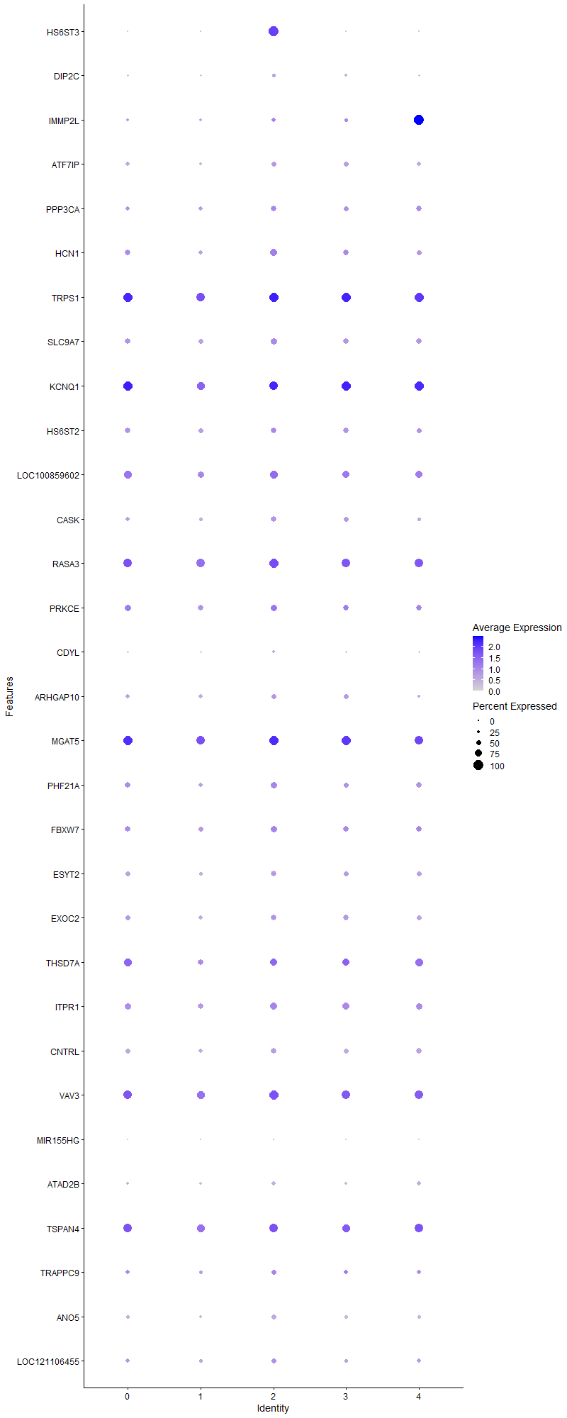
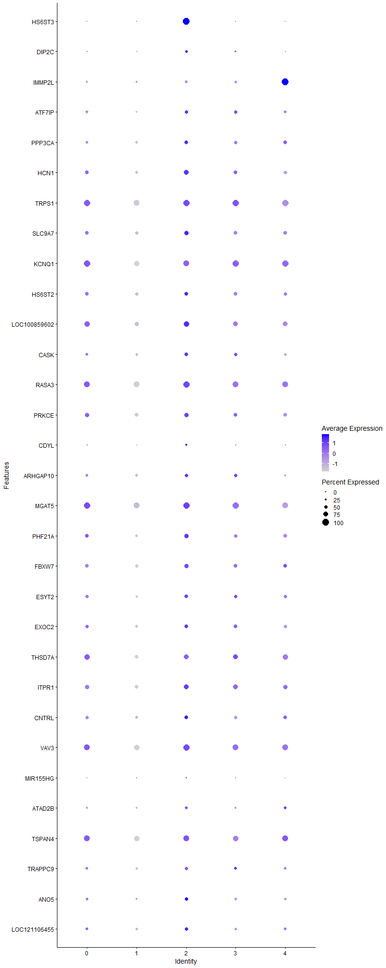
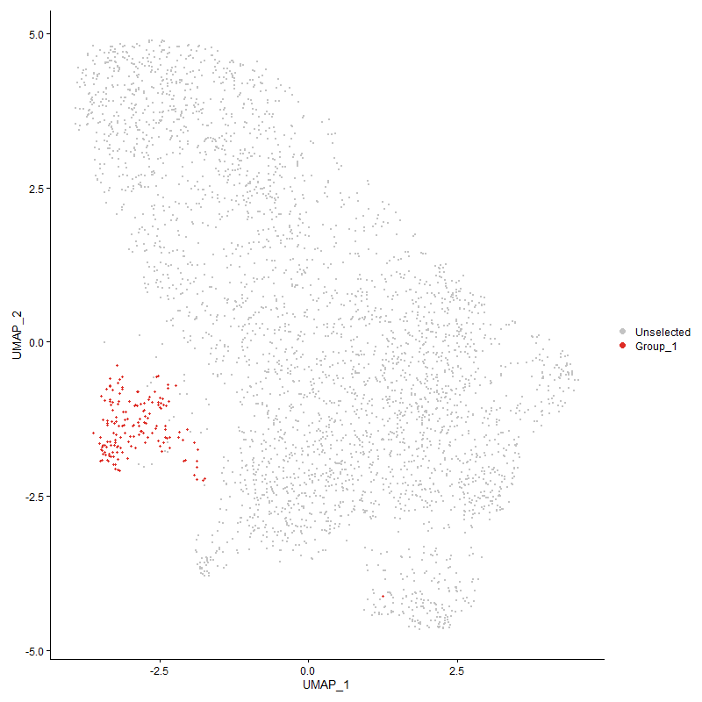
 | p_val | avg_log2FC | pct.1 | pct.2 | p_val_adj | cluster | gene
HS6ST3 | 2.0949321369E-294 | 2.5910365887 | 1 | 0.082 | 3.1991708663E-290 | 2 | HS6ST3
DIP2C | 4.8583590207E-05 | 0.44526589534 | 0.327 | 0.208 | 0.74192000605 | 2 | DIP2C
IMMP2L | 0.00077370015991 | 0.4390870635 | 0.377 | 0.273 | 1 | 2 | IMMP2L
ATF7IP | 7.4244023603E-06 | 0.40258419715 | 0.484 | 0.355 | 0.11337804844 | 2 | ATF7IP
PPP3CA | 0.0018995656811 | 0.39731572932 | 0.535 | 0.433 | 1 | 2 | PPP3CA
HCN11 | 9.6115109821E-06 | 0.38441667033 | 0.698 | 0.518 | 0.14677738421 | 2 | HCN1
TRPS11 | 7.7379475751E-06 | 0.34505108863 | 0.95 | 0.927 | 0.11816619742 | 2 | TRPS1
SLC9A7 | 0.00068019984114 | 0.32757415758 | 0.66 | 0.555 | 1 | 2 | SLC9A7
KCNQ11 | 0.00056577738802 | 0.31816201495 | 0.899 | 0.859 | 1 | 2 | KCNQ1
HS6ST2 | 0.009988197743 | 0.31687708305 | 0.566 | 0.53 | 1 | 2 | HS6ST2
LOC1008596021 | 6.8514586795E-05 | 0.31276081658 | 0.818 | 0.733 | 1 | 2 | LOC100859602
CASK | 8.4783446288E-07 | 0.30919610659 | 0.579 | 0.393 | 0.012947280083 | 2 | CASK
RASA31 | 3.6039952029E-07 | 0.30802186061 | 0.969 | 0.887 | 0.0055036610743 | 2 | RASA3
PRKCE1 | 0.00070991570502 | 0.30297782231 | 0.673 | 0.58 | 1 | 2 | PRKCE
CDYL | 0.0038963890083 | 0.29299061102 | 0.27 | 0.187 | 1 | 2 | CDYL
ARHGAP10 | 0.003843819682 | 0.29254721034 | 0.472 | 0.403 | 1 | 2 | ARHGAP10
MGAT51 | 0.000129136518 | 0.29099839152 | 0.975 | 0.931 | 1 | 2 | MGAT5
PHF21A1 | 0.00044371109134 | 0.2887758601 | 0.654 | 0.519 | 1 | 2 | PHF21A
FBXW7 | 0.0004267372167 | 0.27922011291 | 0.654 | 0.544 | 1 | 2 | FBXW7
ESYT2 | 0.0038980854657 | 0.27563570569 | 0.553 | 0.435 | 1 | 2 | ESYT2
EXOC21 | 0.0077162545792 | 0.27513631974 | 0.541 | 0.463 | 1 | 2 | EXOC2
THSD7A1 | 0.0073744101088 | 0.26695046424 | 0.748 | 0.71 | 1 | 2 | THSD7A
ITPR1 | 0.0026431744415 | 0.266820439 | 0.73 | 0.617 | 1 | 2 | ITPR1
CNTRL | 0.0013604862931 | 0.26408985137 | 0.56 | 0.46 | 1 | 2 | CNTRL
VAV31 | 0.00020752925901 | 0.2613952801 | 0.925 | 0.861 | 1 | 2 | VAV3
MIR155HG | 0.00024243054377 | 0.25916327842 | 0.101 | 0.041 | 1 | 2 | MIR155HG
ATAD2B | 6.7256804846E-07 | 0.25756501398 | 0.428 | 0.257 | 0.010270786668 | 2 | ATAD2B
TSPAN41 | 0.00014008652964 | 0.25422497275 | 0.906 | 0.841 | 1 | 2 | TSPAN4
TRAPPC91 | 0.00062441018731 | 0.25347259804 | 0.522 | 0.383 | 1 | 2 | TRAPPC9
ANO5 | 0.00018290470503 | 0.25203034458 | 0.465 | 0.331 | 1 | 2 | ANO5
LOC121106455 | 0.0038680618566 | 0.25119850071 | 0.491 | 0.395 | 1 | 2 | LOC121106455

Cluster3
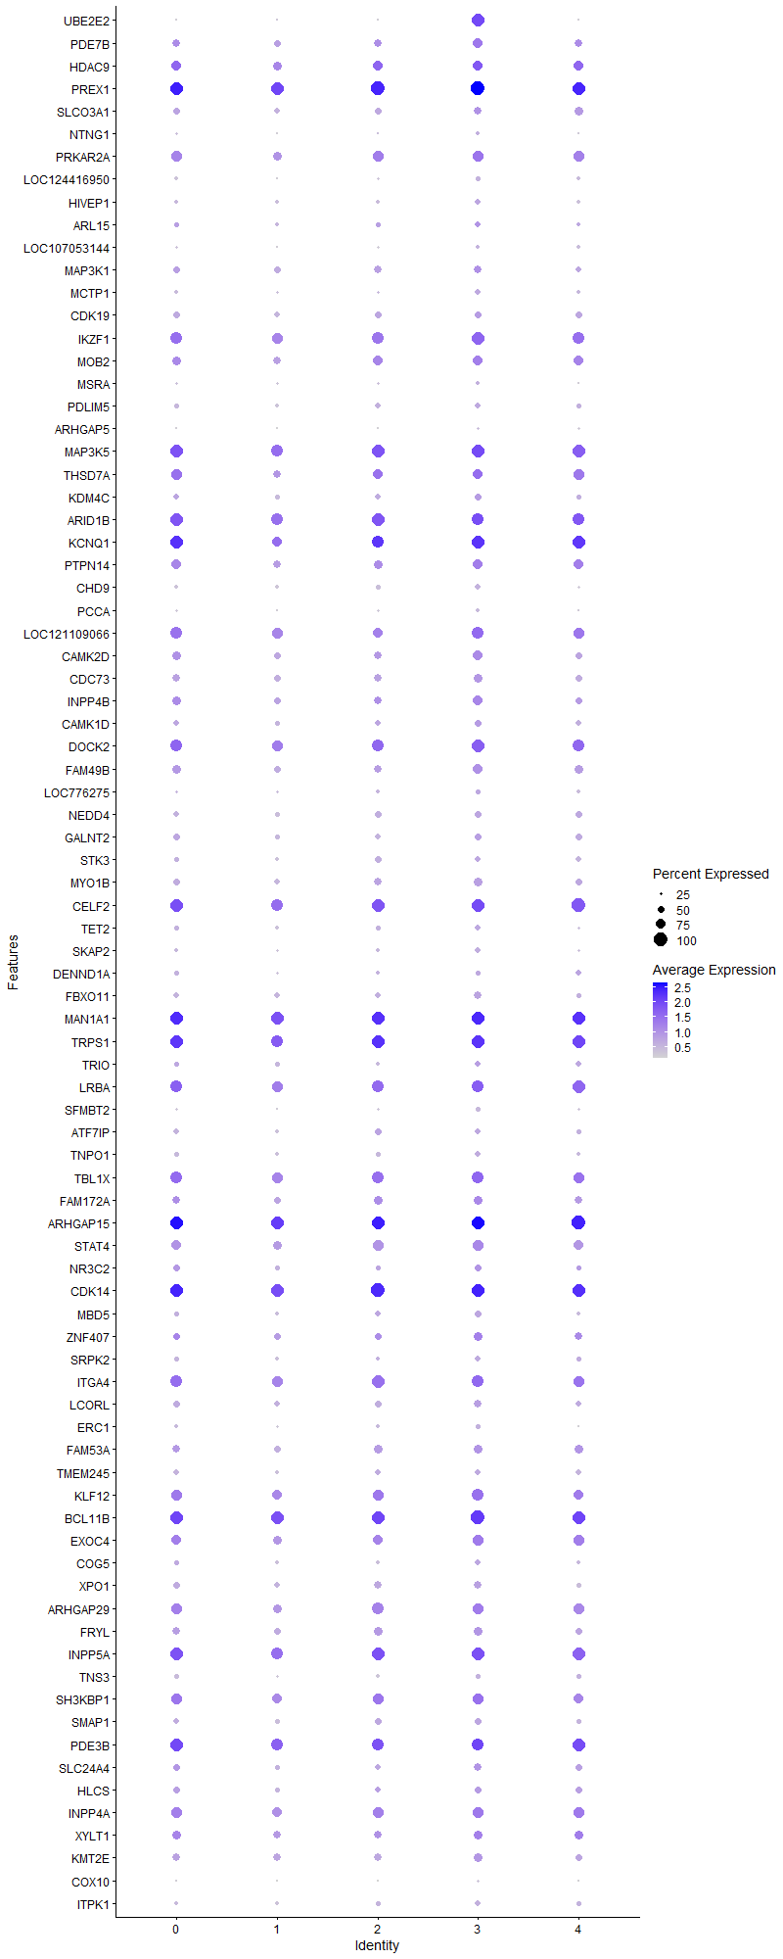
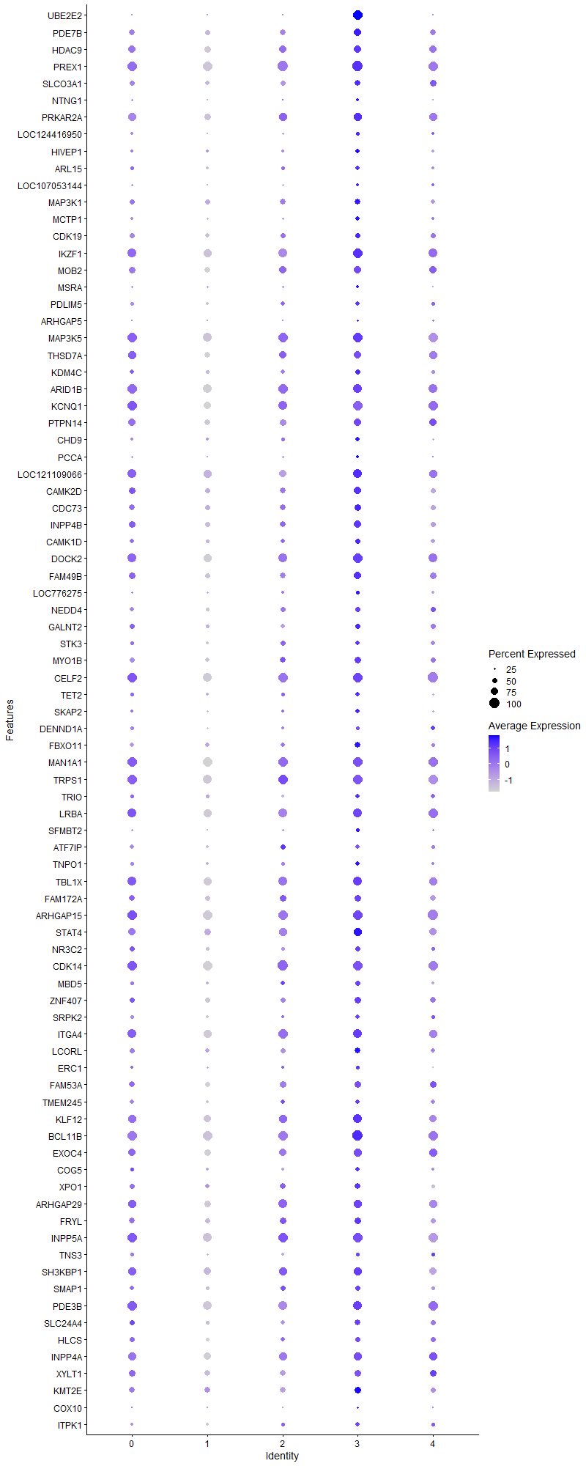
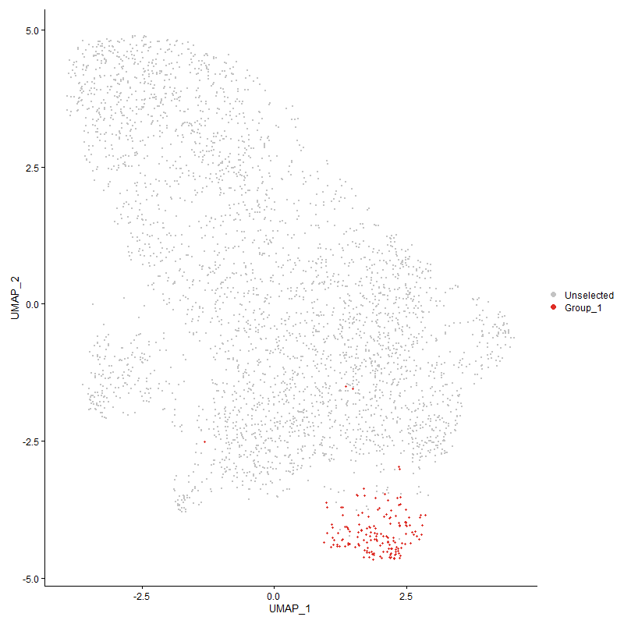
 | p_val | avg_log2FC | pct.1 | pct.2 | p_val_adj | cluster | gene
UBE2E2 | 2.129103546E-249 | 2.5499799353 | 0.987 | 0.101 | 3.251354025E-245 | 3 | UBE2E2
PDE7B | 3.1271455375E-06 | 0.55635915241 | 0.703 | 0.538 | 0.047754639504 | 3 | PDE7B
HDAC91 | 1.1719527532E-07 | 0.53919415466 | 0.766 | 0.693 | 0.0017896890494 | 3 | HDAC9
PREX11 | 3.4236660756E-13 | 0.51110231416 | 1 | 0.988 | 5.228280464E-09 | 3 | PREX1
SLCO3A1 | 7.1834200881E-06 | 0.47080075881 | 0.62 | 0.488 | 0.10969800816 | 3 | SLCO3A1
NTNG1 | 6.0971651538E-06 | 0.44425892041 | 0.285 | 0.155 | 0.093109809064 | 3 | NTNG1
PRKAR2A | 7.8324688663E-06 | 0.42122854555 | 0.842 | 0.756 | 0.11960963206 | 3 | PRKAR2A
LOC124416950 | 8.0415371793E-09 | 0.4077109079 | 0.38 | 0.205 | 0.00012280231427 | 3 | LOC124416950
HIVEP1 | 8.388111474E-05 | 0.40596310772 | 0.449 | 0.309 | 1 | 3 | HIVEP1
ARL151 | 0.0022028777826 | 0.40584252459 | 0.411 | 0.324 | 1 | 3 | ARL15
LOC107053144 | 5.4279065531E-07 | 0.40507716677 | 0.316 | 0.174 | 0.0082889560973 | 3 | LOC107053144
MAP3K1 | 0.0012043251973 | 0.40156229356 | 0.595 | 0.539 | 1 | 3 | MAP3K1
MCTP1 | 1.1991034601E-05 | 0.39365941878 | 0.405 | 0.262 | 0.18311508939 | 3 | MCTP1
CDK19 | 0.00033946665175 | 0.37441577244 | 0.544 | 0.456 | 1 | 3 | CDK19
IKZF11 | 6.2856377745E-08 | 0.3738087251 | 0.943 | 0.832 | 0.00095987974454 | 3 | IKZF1
MOB21 | 1.2753596288E-05 | 0.37111130477 | 0.747 | 0.642 | 0.19476016892 | 3 | MOB2
MSRA | 0.0036127546328 | 0.36996605546 | 0.285 | 0.199 | 1 | 3 | MSRA
PDLIM5 | 0.00038063795345 | 0.36981754224 | 0.437 | 0.325 | 1 | 3 | PDLIM5
ARHGAP5 | 3.2793917364E-05 | 0.36779719361 | 0.247 | 0.14 | 0.50079591206 | 3 | ARHGAP5
MAP3K51 | 0.0040875565194 | 0.36166111393 | 0.937 | 0.907 | 1 | 3 | MAP3K5
THSD7A2 | 0.0031166136838 | 0.35931902733 | 0.747 | 0.71 | 1 | 3 | THSD7A
KDM4C1 | 3.2562122016E-05 | 0.35355858069 | 0.532 | 0.394 | 0.49725616531 | 3 | KDM4C
ARID1B1 | 6.8778758377E-07 | 0.35067065776 | 0.924 | 0.914 | 0.010503204192 | 3 | ARID1B
KCNQ12 | 3.4756728174E-07 | 0.3482238546 | 0.956 | 0.856 | 0.0053076999594 | 3 | KCNQ1
PTPN141 | 0.00045650214837 | 0.34007781549 | 0.741 | 0.678 | 1 | 3 | PTPN14
CHD9 | 9.2997309037E-08 | 0.33691608939 | 0.456 | 0.279 | 0.0014201619063 | 3 | CHD9
PCCA | 5.909706925E-05 | 0.33372467716 | 0.291 | 0.172 | 0.90247134452 | 3 | PCCA
LOC1211090661 | 9.0220331198E-05 | 0.33295412324 | 0.867 | 0.827 | 1 | 3 | LOC121109066
CAMK2D1 | 3.923960044E-05 | 0.33056963959 | 0.715 | 0.571 | 0.59922793832 | 3 | CAMK2D
CDC73 | 0.00037647174604 | 0.33048982023 | 0.639 | 0.552 | 1 | 3 | CDC73
INPP4B1 | 3.2601167753E-05 | 0.32679676959 | 0.703 | 0.576 | 0.49785243276 | 3 | INPP4B
CAMK1D | 0.00032273417243 | 0.32449957082 | 0.519 | 0.42 | 1 | 3 | CAMK1D
DOCK21 | 8.6048804611E-06 | 0.3205595144 | 0.949 | 0.887 | 0.13140512952 | 3 | DOCK2
FAM49B1 | 1.1580757692E-05 | 0.31697161687 | 0.703 | 0.583 | 0.17684975071 | 3 | FAM49B
LOC776275 | 0.001969465359 | 0.31496191283 | 0.342 | 0.245 | 1 | 3 | LOC776275
NEDD4 | 0.0010513760722 | 0.31030435915 | 0.494 | 0.399 | 1 | 3 | NEDD4
GALNT2 | 0.0025735154836 | 0.31016466213 | 0.532 | 0.454 | 1 | 3 | GALNT2
STK3 | 0.0012635263403 | 0.30825963077 | 0.462 | 0.352 | 1 | 3 | STK3
MYO1B | 1.2866724284E-05 | 0.30774942423 | 0.633 | 0.478 | 0.19648774655 | 3 | MYO1B
CELF21 | 2.1313255856E-06 | 0.30763370654 | 0.987 | 0.94 | 0.032547473017 | 3 | CELF2
TET2 | 0.0049808309228 | 0.30707674032 | 0.424 | 0.33 | 1 | 3 | TET2
SKAP2 | 0.00010135033656 | 0.30677491674 | 0.405 | 0.273 | 1 | 3 | SKAP2
DENND1A | 0.001735386054 | 0.30624025128 | 0.399 | 0.301 | 1 | 3 | DENND1A
FBXO11 | 4.7062766436E-05 | 0.30585493565 | 0.563 | 0.433 | 0.71869550624 | 3 | FBXO11
MAN1A11 | 3.3862912158E-07 | 0.30538335959 | 0.987 | 0.976 | 0.0051712053157 | 3 | MAN1A1
TRPS12 | 3.4247216321E-06 | 0.30347110611 | 0.949 | 0.927 | 0.052298924043 | 3 | TRPS1
TRIO | 0.0033704514252 | 0.30114597786 | 0.456 | 0.373 | 1 | 3 | TRIO
LRBA1 | 0.00011740601109 | 0.30066606088 | 0.911 | 0.871 | 1 | 3 | LRBA
SFMBT2 | 3.8093590497E-06 | 0.30060239 | 0.348 | 0.2 | 0.058172722047 | 3 | SFMBT2
ATF7IP1 | 0.00021957407692 | 0.30051781586 | 0.475 | 0.355 | 1 | 3 | ATF7IP
TNPO1 | 0.004037271537 | 0.29936457501 | 0.418 | 0.329 | 1 | 3 | TNPO1
TBL1X1 | 0.00032110339395 | 0.29915783599 | 0.854 | 0.825 | 1 | 3 | TBL1X
FAM172A1 | 0.0014555515319 | 0.297919529 | 0.633 | 0.545 | 1 | 3 | FAM172A
ARHGAP151 | 2.8732615433E-06 | 0.29776148215 | 0.987 | 0.984 | 0.043877577027 | 3 | ARHGAP15
STAT4 | 4.4690497576E-05 | 0.29514743944 | 0.791 | 0.709 | 0.68246858848 | 3 | STAT4
NR3C21 | 0.0036139893714 | 0.28983095332 | 0.506 | 0.417 | 1 | 3 | NR3C2
CDK141 | 6.6397385517E-06 | 0.28957498207 | 0.981 | 0.977 | 0.10139544742 | 3 | CDK14
MBD5 | 0.00029555956234 | 0.2867493027 | 0.481 | 0.355 | 1 | 3 | MBD5
ZNF4071 | 0.0058486816655 | 0.28474461944 | 0.639 | 0.525 | 1 | 3 | ZNF407
SRPK2 | 0.0017533124776 | 0.28441770539 | 0.418 | 0.313 | 1 | 3 | SRPK2
ITGA41 | 0.00013861617882 | 0.28326096386 | 0.911 | 0.86 | 1 | 3 | ITGA4
LCORL | 0.00017288993357 | 0.2820243309 | 0.601 | 0.469 | 1 | 3 | LCORL
ERC1 | 0.0014014642364 | 0.28171058737 | 0.342 | 0.236 | 1 | 3 | ERC1
FAM53A1 | 0.0028915894206 | 0.2799972493 | 0.658 | 0.564 | 1 | 3 | FAM53A
TMEM245 | 0.0022515066864 | 0.27755858582 | 0.475 | 0.374 | 1 | 3 | TMEM245
KLF12 | 0.00010871025776 | 0.2767574331 | 0.861 | 0.787 | 1 | 3 | KLF12
BCL11B | 3.1480254856E-06 | 0.27604661293 | 1 | 0.966 | 0.048073497191 | 3 | BCL11B
EXOC41 | 0.00020089685988 | 0.27332613903 | 0.823 | 0.712 | 1 | 3 | EXOC4
COG51 | 0.0039258237195 | 0.27043064486 | 0.418 | 0.323 | 1 | 3 | COG5
XPO1 | 0.0017281868607 | 0.27039753454 | 0.608 | 0.48 | 1 | 3 | XPO1
ARHGAP291 | 6.6249970392E-05 | 0.26998344278 | 0.81 | 0.76 | 1 | 3 | ARHGAP29
FRYL | 0.0042880031081 | 0.26883255864 | 0.627 | 0.537 | 1 | 3 | FRYL
INPP5A1 | 1.6266253583E-05 | 0.26866918292 | 0.987 | 0.933 | 0.24840195847 | 3 | INPP5A
TNS3 | 0.0011274579711 | 0.26857432593 | 0.399 | 0.299 | 1 | 3 | TNS3
SH3KBP11 | 0.00067331787203 | 0.26768226401 | 0.835 | 0.784 | 1 | 3 | SH3KBP1
SMAP1 | 0.00061526796453 | 0.2665267615 | 0.525 | 0.424 | 1 | 3 | SMAP1
PDE3B1 | 0.0071549246208 | 0.26478945361 | 0.918 | 0.934 | 1 | 3 | PDE3B
SLC24A41 | 0.0025456823337 | 0.26448357317 | 0.576 | 0.457 | 1 | 3 | SLC24A4
HLCS1 | 0.0033034610064 | 0.26407528251 | 0.519 | 0.434 | 1 | 3 | HLCS
INPP4A | 0.0017949003958 | 0.26041381519 | 0.835 | 0.761 | 1 | 3 | INPP4A
XYLT11 | 0.0062593185462 | 0.25805720573 | 0.696 | 0.632 | 1 | 3 | XYLT1
KMT2E | 0.00034669639887 | 0.25785936102 | 0.684 | 0.617 | 1 | 3 | KMT2E
COX10 | 6.0266655699E-07 | 0.25483931588 | 0.253 | 0.123 | 0.0092033209919 | 3 | COX10
ITPK1 | 0.0019113940294 | 0.25123471992 | 0.405 | 0.302 | 1 | 3 | ITPK1

Cluster4
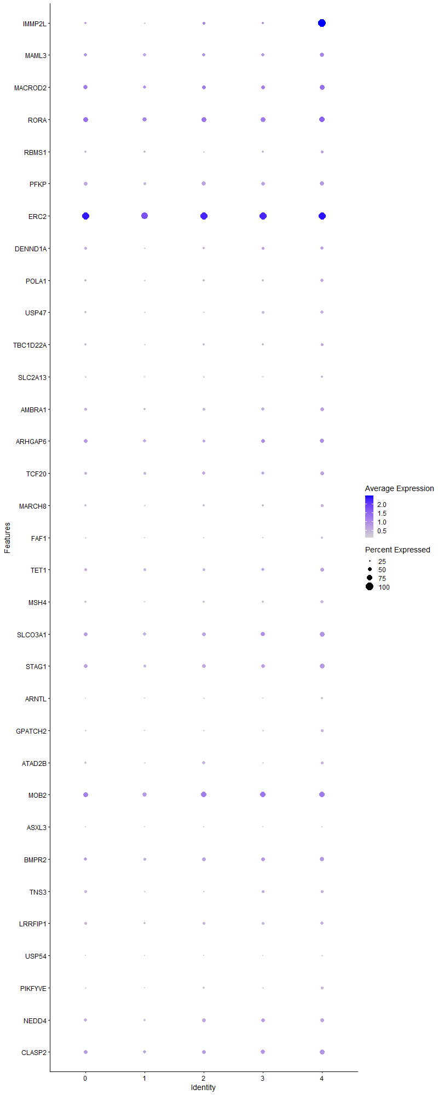
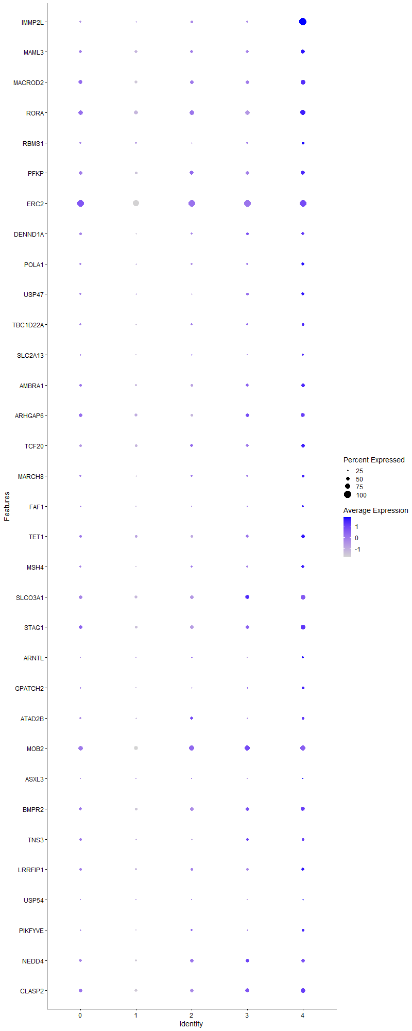
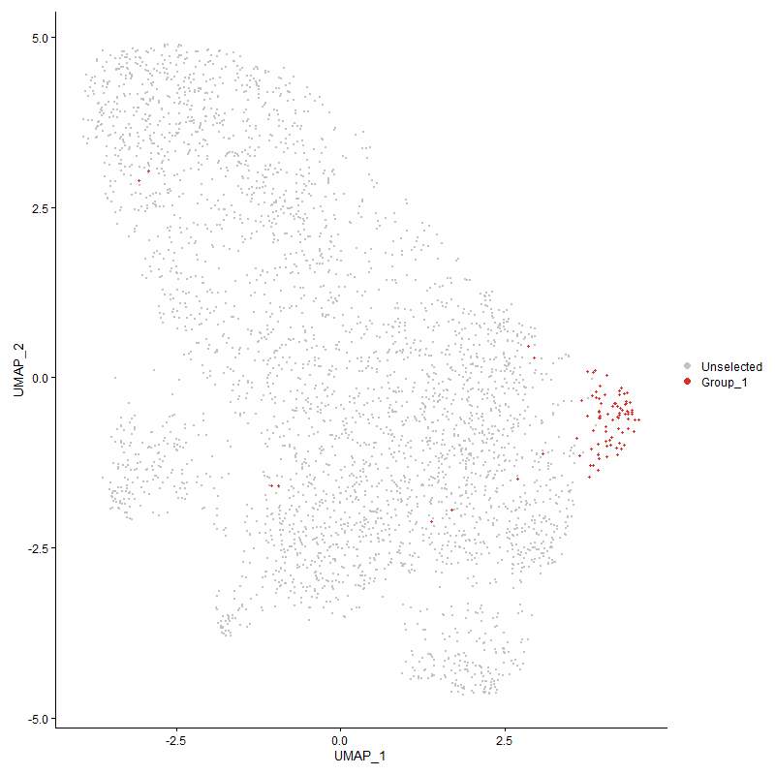
 | p_val | avg_log2FC | pct.1 | pct.2 | p_val_adj | cluster | gene
IMMP2L1 | 4.3858297246E-84 | 2.5833056191 | 1 | 0.258 | 6.6976005724E-80 | 4 | IMMP2L
MAML3 | 0.00083359055198 | 0.46134746838 | 0.575 | 0.459 | 1 | 4 | MAML3
MACROD21 | 0.0025627185492 | 0.45030341902 | 0.655 | 0.524 | 1 | 4 | MACROD2
RORA1 | 0.0058847122795 | 0.43239347727 | 0.713 | 0.644 | 1 | 4 | RORA
RBMS1 | 0.0063474516254 | 0.42039117686 | 0.379 | 0.301 | 1 | 4 | RBMS1
PFKP | 0.0010500323757 | 0.38918146374 | 0.563 | 0.46 | 1 | 4 | PFKP
ERC21 | 0.00024384912593 | 0.38587612749 | 0.966 | 0.93 | 1 | 4 | ERC2
DENND1A1 | 0.00060907120918 | 0.37746128969 | 0.46 | 0.301 | 1 | 4 | DENND1A
POLA1 | 0.00047934249079 | 0.36266479724 | 0.437 | 0.272 | 1 | 4 | POLA1
USP47 | 9.746454392E-05 | 0.35244336859 | 0.46 | 0.287 | 1 | 4 | USP47
TBC1D22A | 0.00071393757799 | 0.34638323283 | 0.402 | 0.247 | 1 | 4 | TBC1D22A
SLC2A13 | 0.0030087239195 | 0.33715736365 | 0.287 | 0.178 | 1 | 4 | SLC2A13
AMBRA1 | 0.00061073203407 | 0.32861503814 | 0.517 | 0.37 | 1 | 4 | AMBRA1
ARHGAP6 | 0.0027279653775 | 0.32259125051 | 0.598 | 0.456 | 1 | 4 | ARHGAP6
TCF20 | 0.0012269582113 | 0.30727330512 | 0.529 | 0.384 | 1 | 4 | TCF20
MARCH8 | 0.0010245698234 | 0.30601569431 | 0.391 | 0.241 | 1 | 4 | MARCH8
FAF1 | 0.0038202036964 | 0.29962072786 | 0.276 | 0.168 | 1 | 4 | FAF1
TET1 | 0.0028122475378 | 0.29927017628 | 0.529 | 0.395 | 1 | 4 | TET1
MSH4 | 8.1519884101E-05 | 0.29739367041 | 0.425 | 0.246 | 1 | 4 | MSH4
SLCO3A11 | 0.0021781533368 | 0.29044072691 | 0.667 | 0.489 | 1 | 4 | SLCO3A1
STAG11 | 0.00046756922732 | 0.28768563557 | 0.655 | 0.447 | 1 | 4 | STAG1
ARNTL | 4.5210736575E-05 | 0.28724886972 | 0.299 | 0.149 | 0.69041315824 | 4 | ARNTL
GPATCH2 | 0.00033245988607 | 0.28462340032 | 0.379 | 0.228 | 1 | 4 | GPATCH2
ATAD2B1 | 0.0096369992331 | 0.28423845922 | 0.379 | 0.262 | 1 | 4 | ATAD2B
MOB22 | 0.0064260322953 | 0.28290374507 | 0.736 | 0.645 | 1 | 4 | MOB2
ASXL3 | 2.2535415453E-05 | 0.27847117333 | 0.184 | 0.066 | 0.34413832938 | 4 | ASXL3
BMPR2 | 0.0010641157429 | 0.27727195927 | 0.621 | 0.452 | 1 | 4 | BMPR2
TNS31 | 0.0061025914202 | 0.27649483592 | 0.402 | 0.301 | 1 | 4 | TNS3
LRRFIP1 | 0.0015972063509 | 0.27052022986 | 0.471 | 0.32 | 1 | 4 | LRRFIP1
USP54 | 6.8388167992E-05 | 0.26199571247 | 0.241 | 0.107 | 1 | 4 | USP54
PIKFYVE | 0.00031608249637 | 0.26079307118 | 0.345 | 0.199 | 1 | 4 | PIKFYVE
NEDD41 | 0.0021238612565 | 0.25976829428 | 0.552 | 0.4 | 1 | 4 | NEDD4
CLASP2 | 0.002364506351 | 0.25146340454 | 0.667 | 0.511 | 1 | 4 | CLASP2

