Clustered cells
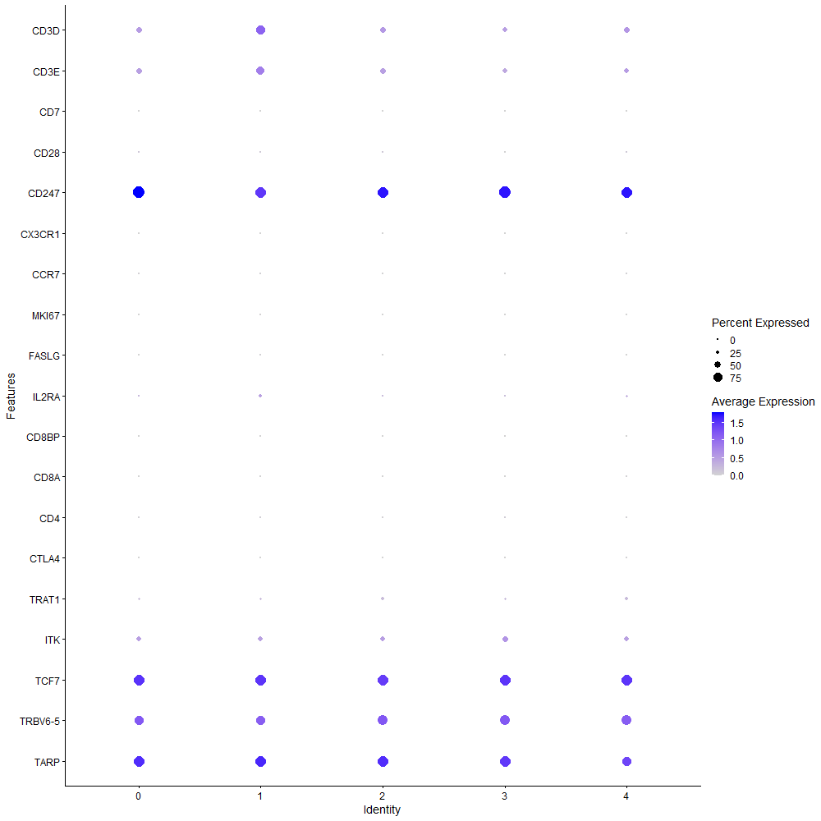
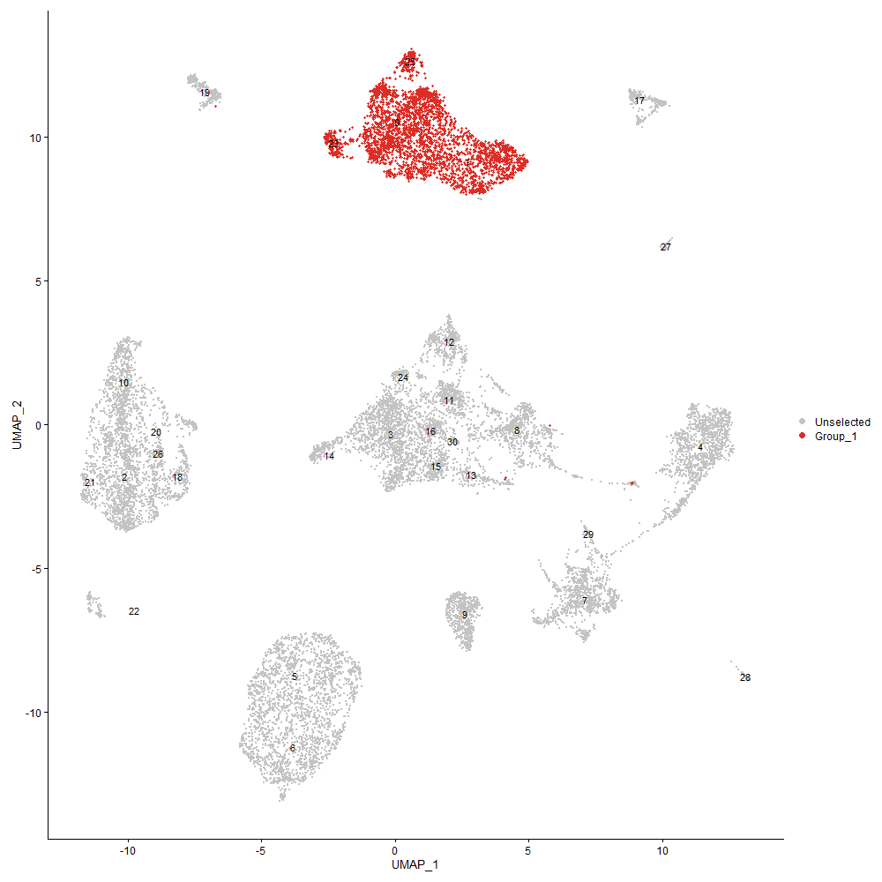
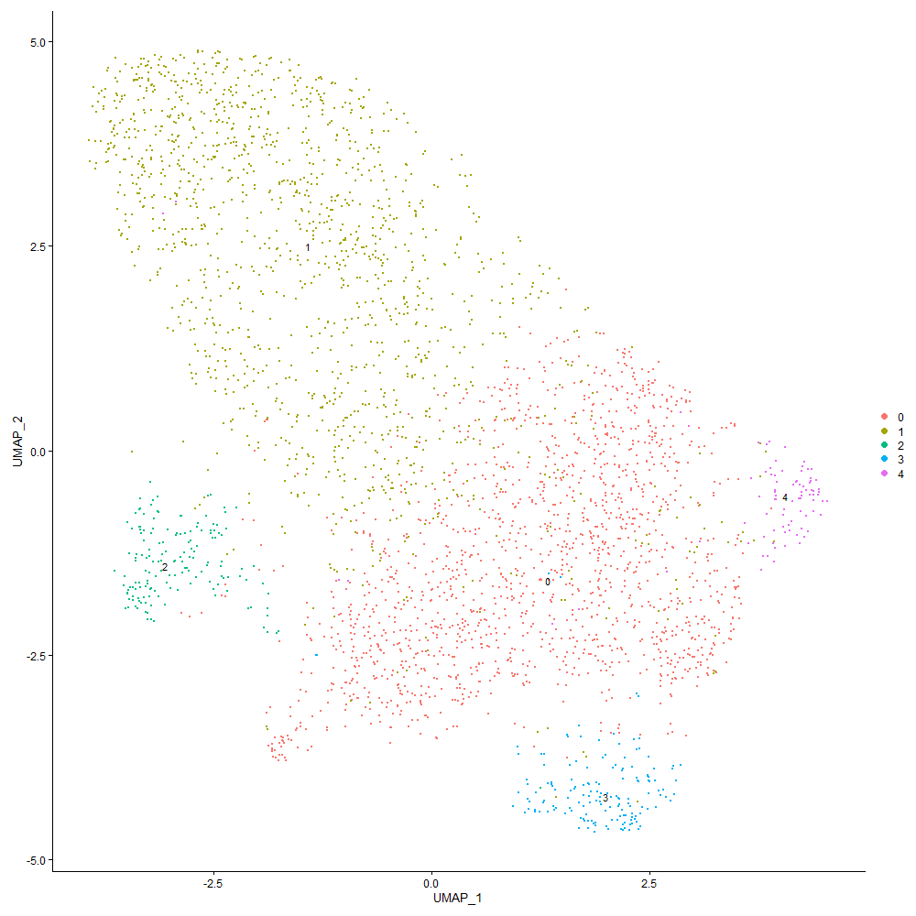
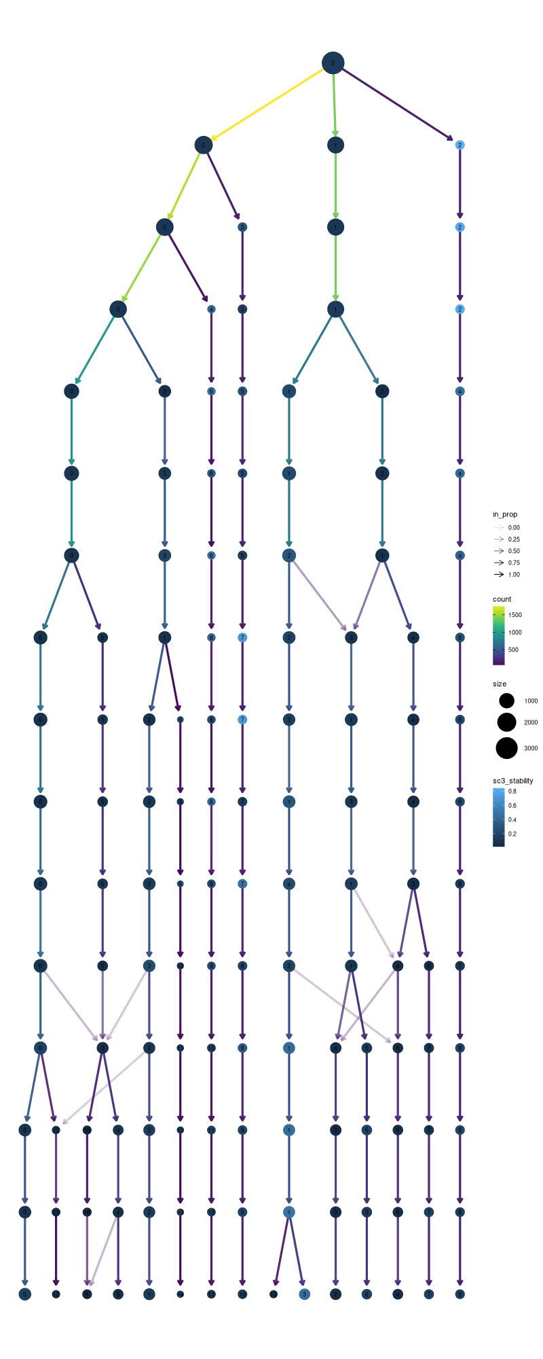

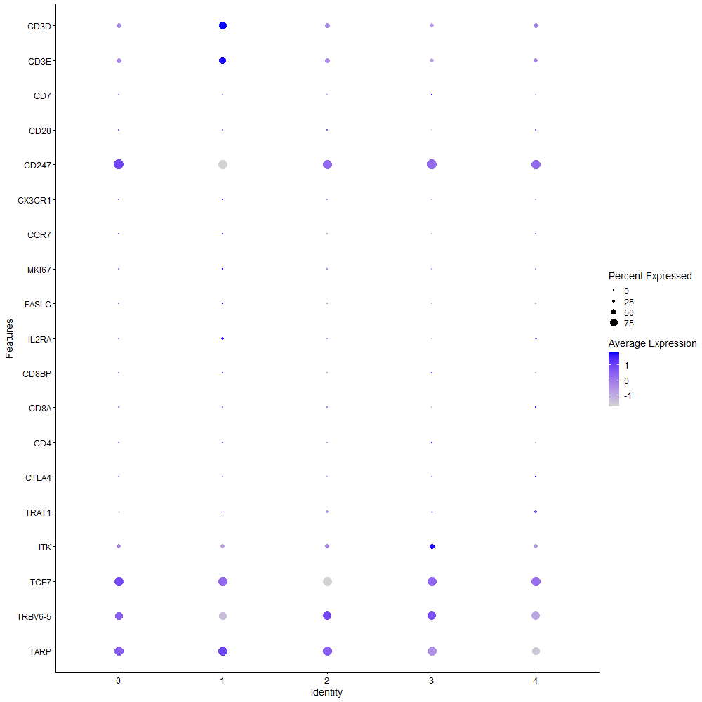
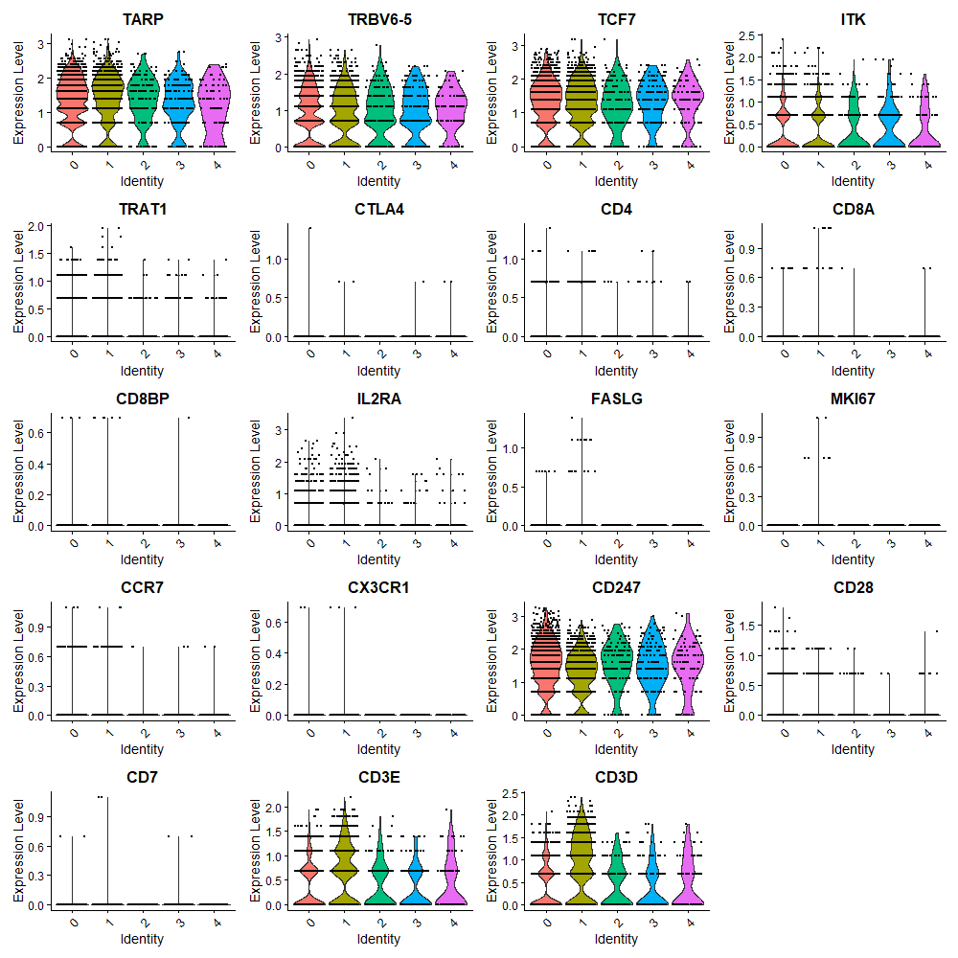

Cluster0
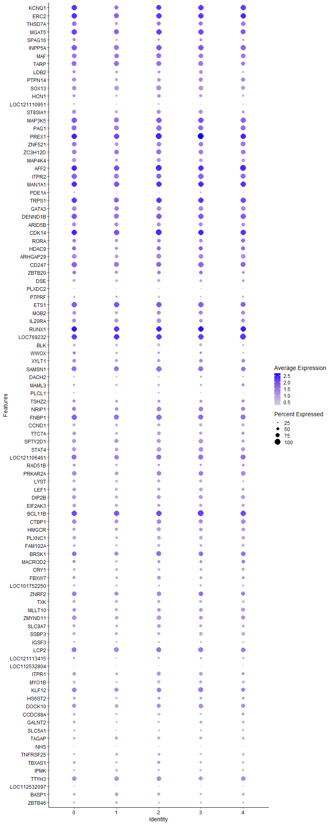
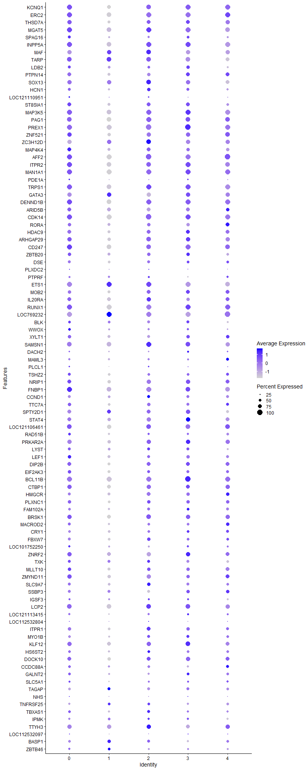
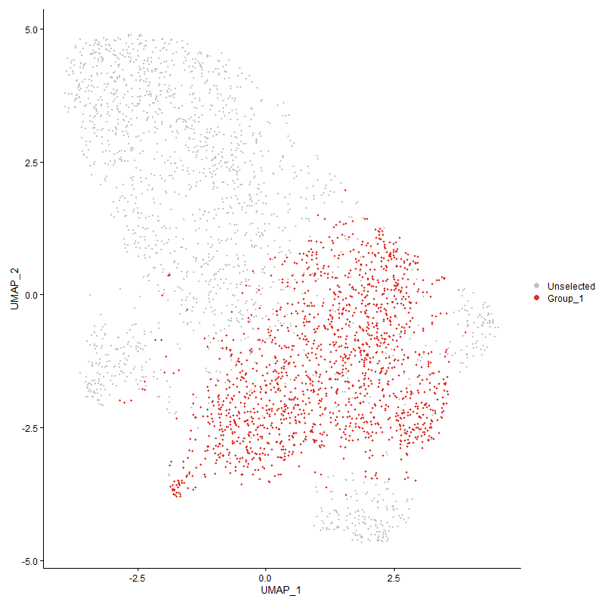
 | p_val | avg_log2FC | pct.1 | pct.2 | p_val_adj | cluster | gene
KCNQ1 | 0 | 2.6594164111 | 0.93 | 0.117 | 0 | 0 | KCNQ1
ERC2 | 0 | 1.9300841293 | 0.965 | 0.331 | 0 | 0 | ERC2
THSD7A | 0 | 1.7315408973 | 0.802 | 0.124 | 0 | 0 | THSD7A
MGAT5 | 0 | 1.6971250261 | 0.965 | 0.602 | 0 | 0 | MGAT5
SPAG16 | 0 | 1.6744792206 | 0.578 | 0.053 | 0 | 0 | SPAG16
INPP5A | 0 | 1.5933319061 | 0.967 | 0.46 | 0 | 0 | INPP5A
MAF | 0 | 1.5918935022 | 0.832 | 0.151 | 0 | 0 | MAF
TARP | 0 | 1.4701536473 | 0.889 | 0.228 | 0 | 0 | TARP
LDB2 | 0 | 1.4595207708 | 0.589 | 0.088 | 0 | 0 | LDB2
PTPN14 | 0 | 1.4500815648 | 0.727 | 0.095 | 0 | 0 | PTPN14
SOX13 | 0 | 1.2891677518 | 0.827 | 0.106 | 0 | 0 | SOX13
HCN1 | 0 | 1.2828194759 | 0.58 | 0.065 | 0 | 0 | HCN1
LOC121110951 | 0 | 1.1882276867 | 0.35 | 0.034 | 0 | 0 | LOC121110951
ST8SIA1 | 0 | 1.183160376 | 0.731 | 0.228 | 0 | 0 | ST8SIA1
MAP3K5 | 0 | 1.1796143334 | 0.946 | 0.622 | 0 | 0 | MAP3K5
PAG1 | 0 | 1.1762318851 | 0.905 | 0.472 | 0 | 0 | PAG1
PREX1 | 0 | 1.1426060591 | 0.996 | 0.877 | 0 | 0 | PREX1
ZNF521 | 0 | 1.1311339061 | 0.801 | 0.314 | 0 | 0 | ZNF521
ZC3H12D | 0 | 1.1035058864 | 0.801 | 0.37 | 0 | 0 | ZC3H12D
MAP4K4 | 0 | 1.0992094861 | 0.727 | 0.237 | 0 | 0 | MAP4K4
AFF2 | 0 | 1.0887864148 | 0.992 | 0.852 | 0 | 0 | AFF2
ITPR2 | 0 | 1.0704903752 | 0.954 | 0.66 | 0 | 0 | ITPR2
MAN1A1 | 0 | 1.0621601498 | 0.989 | 0.871 | 0 | 0 | MAN1A1
PDE1A | 0 | 1.0508936832 | 0.333 | 0.037 | 0 | 0 | PDE1A
TRPS1 | 5.9356400444E-273 | 1.0423763671 | 0.958 | 0.715 | 9.0643159118E-269 | 0 | TRPS1
GATA3 | 0 | 1.0055629602 | 0.794 | 0.314 | 0 | 0 | GATA3
DENND1B | 0 | 1.0035711954 | 0.975 | 0.784 | 0 | 0 | DENND1B
ARID5B | 1.3962374597E-262 | 0.96820789756 | 0.727 | 0.341 | 2.1321942247E-258 | 0 | ARID5B
CDK14 | 6.8102540762E-308 | 0.9672799879 | 0.988 | 0.755 | 1.0399939E-303 | 0 | CDK14
RORA | 3.4712552859E-175 | 0.95817707941 | 0.672 | 0.338 | 5.3009539471E-171 | 0 | RORA
HDAC9 | 3.6303940178E-216 | 0.95050704893 | 0.743 | 0.356 | 5.5439747046E-212 | 0 | HDAC9
ARHGAP29 | 1.9453570627E-306 | 0.94988919899 | 0.826 | 0.386 | 2.9707547704E-302 | 0 | ARHGAP29
CD247 | 3.5776043314E-263 | 0.94985166493 | 0.932 | 0.523 | 5.4633595745E-259 | 0 | CD247
ZBTB20 | 2.1530405116E-147 | 0.92972695874 | 0.666 | 0.377 | 3.2879081653E-143 | 0 | ZBTB20
DSE | 0 | 0.92484946394 | 0.594 | 0.103 | 0 | 0 | DSE
PLXDC2 | 0 | 0.90592559042 | 0.27 | 0.034 | 0 | 0 | PLXDC2
PTPRF | 0 | 0.87514551959 | 0.384 | 0.056 | 0 | 0 | PTPRF
ETS1 | 1.6269233505E-242 | 0.84926225509 | 0.947 | 0.7 | 2.4844746486E-238 | 0 | ETS1
MOB2 | 2.4074437023E-187 | 0.84684390428 | 0.69 | 0.369 | 3.6764072778E-183 | 0 | MOB2
IL20RA | 1.4163954052E-267 | 0.83457410331 | 0.758 | 0.325 | 2.1629774233E-263 | 0 | IL20RA
RUNX1 | 8.9033646734E-264 | 0.82157910091 | 0.997 | 0.915 | 1.3596328193E-259 | 0 | RUNX1
LOC769232 | 2.7103508762E-241 | 0.81464048751 | 0.986 | 0.745 | 4.138976823E-237 | 0 | LOC769232
BLK | 0 | 0.81340735792 | 0.552 | 0.098 | 0 | 0 | BLK
WWOX | 1.5517227634E-49 | 0.80316023805 | 0.504 | 0.36 | 2.3696358321E-45 | 0 | WWOX
XYLT1 | 6.1865992877E-147 | 0.78058391153 | 0.691 | 0.396 | 9.4475557723E-143 | 0 | XYLT1
SAMSN1 | 2.519076842E-188 | 0.77935430935 | 0.884 | 0.589 | 3.8468822454E-184 | 0 | SAMSN1
DACH2 | 2.2697481439E-202 | 0.77896117483 | 0.326 | 0.081 | 3.4661323905E-198 | 0 | DACH2
MAML3 | 5.5136521252E-166 | 0.77171992963 | 0.487 | 0.195 | 8.4198981604E-162 | 0 | MAML3
PLCL1 | 3.9467171292E-153 | 0.76944532835 | 0.294 | 0.085 | 6.027031728E-149 | 0 | PLCL1
TSHZ2 | 1.8766015937E-148 | 0.76464596881 | 0.583 | 0.27 | 2.8657582937E-144 | 0 | TSHZ2
NRIP1 | 7.8977523392E-149 | 0.75197534393 | 0.773 | 0.487 | 1.2060657597E-144 | 0 | NRIP1
FNBP1 | 3.408874614E-206 | 0.74225283775 | 0.954 | 0.765 | 5.205692423E-202 | 0 | FNBP1
CCND1 | 1.4487839499E-283 | 0.74030286345 | 0.598 | 0.201 | 2.2124379699E-279 | 0 | CCND1
TTC7A | 1.6201793158E-161 | 0.73729808379 | 0.672 | 0.362 | 2.4741758332E-157 | 0 | TTC7A
SPTY2D1 | 1.5858700322E-192 | 0.73047630802 | 0.747 | 0.418 | 2.4217821261E-188 | 0 | SPTY2D1
STAT4 | 2.064199038E-211 | 0.72543255234 | 0.734 | 0.358 | 3.152238351E-207 | 0 | STAT4
LOC121106461 | 5.568766359E-154 | 0.7230430995 | 0.89 | 0.596 | 8.5040631068E-150 | 0 | LOC121106461
RAD51B | 3.8295751084E-56 | 0.71376096498 | 0.509 | 0.348 | 5.8481441481E-52 | 0 | RAD51B
PRKAR2A | 2.9270600816E-187 | 0.70984738494 | 0.804 | 0.45 | 4.4699134506E-183 | 0 | PRKAR2A
LYST | 1.4202076273E-233 | 0.70031200368 | 0.605 | 0.245 | 2.1687990677E-229 | 0 | LYST
LEF1 | 2.6433671277E-211 | 0.69599300405 | 0.691 | 0.303 | 4.0366859408E-207 | 0 | LEF1
DIP2B | 2.866061091E-219 | 0.68195781484 | 0.78 | 0.416 | 4.376761892E-215 | 0 | DIP2B
EIF2AK3 | 1.8554113424E-135 | 0.6811960274 | 0.65 | 0.372 | 2.833398661E-131 | 0 | EIF2AK3
BCL11B | 3.2233901726E-167 | 0.66346732459 | 0.969 | 0.595 | 4.9224391326E-163 | 0 | BCL11B
CTBP1 | 1.6930044274E-154 | 0.65034777038 | 0.815 | 0.531 | 2.585387061E-150 | 0 | CTBP1
HMGCR | 9.2263704569E-102 | 0.61839602433 | 0.633 | 0.397 | 1.4089590325E-97 | 0 | HMGCR
PLXNC1 | 9.8787338461E-155 | 0.60436513876 | 0.656 | 0.338 | 1.5085814456E-150 | 0 | PLXNC1
FAM102A | 1.2546355886E-165 | 0.59774266613 | 0.543 | 0.24 | 1.9159540073E-161 | 0 | FAM102A
BRSK1 | 8.6906999095E-122 | 0.59680060195 | 0.843 | 0.539 | 1.3271567832E-117 | 0 | BRSK1
MACROD2 | 1.7802638389E-60 | 0.5961438548 | 0.572 | 0.391 | 2.7186409084E-56 | 0 | MACROD2
CRY1 | 4.2897487208E-179 | 0.58330162883 | 0.57 | 0.241 | 6.5508752716E-175 | 0 | CRY1
FBXW7 | 1.3560203841E-86 | 0.58183658023 | 0.577 | 0.343 | 2.0707787286E-82 | 0 | FBXW7
LOC101752250 | 7.0248955485E-101 | 0.58085722455 | 0.44 | 0.212 | 1.0727717992E-96 | 0 | LOC101752250
ZNRF2 | 8.0127544026E-107 | 0.58056797869 | 0.854 | 0.652 | 1.2236277248E-102 | 0 | ZNRF2
TXK | 3.1208173828E-175 | 0.57988738725 | 0.643 | 0.302 | 4.7658002253E-171 | 0 | TXK
MLLT10 | 1.4134575554E-89 | 0.57902756325 | 0.714 | 0.506 | 2.1584910328E-85 | 0 | MLLT10
ZMYND11 | 4.125312762E-138 | 0.57855037765 | 0.807 | 0.524 | 6.2997651189E-134 | 0 | ZMYND11
SLC9A7 | 2.1998451785E-121 | 0.56836272505 | 0.607 | 0.329 | 3.3593835721E-117 | 0 | SLC9A7
SSBP3 | 1.3540259633E-153 | 0.56657884792 | 0.633 | 0.32 | 2.0677330486E-149 | 0 | SSBP3
IGSF3 | 8.158719324E-220 | 0.56456077387 | 0.423 | 0.126 | 1.245918028E-215 | 0 | IGSF3
LCP2 | 7.535515558E-132 | 0.56264614656 | 0.913 | 0.638 | 1.1507485809E-127 | 0 | LCP2
LOC121113415 | 9.6697628572E-80 | 0.56230571509 | 0.434 | 0.232 | 1.4766694859E-75 | 0 | LOC121113415
LOC112532804 | 9.7669514194E-67 | 0.56029119462 | 0.145 | 0.043 | 1.4915111512E-62 | 0 | LOC112532804
ITPR1 | 3.7449292283E-143 | 0.55982748207 | 0.668 | 0.339 | 5.7188814246E-139 | 0 | ITPR1
MYO1B | 2.6437755987E-193 | 0.55791982536 | 0.521 | 0.195 | 4.0373097168E-189 | 0 | MYO1B
KLF12 | 7.3755876005E-118 | 0.55367040415 | 0.82 | 0.53 | 1.1263259825E-113 | 0 | KLF12
HS6ST2 | 1.4772246208E-99 | 0.5444567159 | 0.567 | 0.316 | 2.2558697185E-95 | 0 | HS6ST2
DOCK10 | 7.4446832961E-103 | 0.54407188024 | 0.788 | 0.568 | 1.1368775861E-98 | 0 | DOCK10
CCDC88A | 2.6018714406E-126 | 0.53168586636 | 0.516 | 0.252 | 3.973317877E-122 | 0 | CCDC88A
GALNT2 | 8.2899768084E-103 | 0.52813981289 | 0.514 | 0.269 | 1.2659623584E-98 | 0 | GALNT2
SLC5A1 | 1.2016109505E-119 | 0.52777410954 | 0.398 | 0.165 | 1.8349800825E-115 | 0 | SLC5A1
TAGAP | 2.1816187666E-141 | 0.52612367825 | 0.518 | 0.236 | 3.3315500185E-137 | 0 | TAGAP
NHS | 8.1929684082E-145 | 0.52510287533 | 0.151 | 0.024 | 1.2511482056E-140 | 0 | NHS
TNFRSF25 | 7.7346751176E-217 | 0.51923019694 | 0.466 | 0.147 | 1.1811622372E-212 | 0 | TNFRSF25
TBXAS1 | 1.2088309825E-102 | 0.51892325404 | 0.548 | 0.284 | 1.8460057934E-98 | 0 | TBXAS1
IPMK | 1.246882221E-179 | 0.51876875904 | 0.486 | 0.183 | 1.9041138397E-175 | 0 | IPMK
TTYH3 | 7.0612266283E-108 | 0.51853662037 | 0.797 | 0.572 | 1.0783199184E-103 | 0 | TTYH3
LOC112532097 | 3.1868393699E-62 | 0.51460496476 | 0.257 | 0.115 | 4.8666224018E-58 | 0 | LOC112532097
BASP1 | 3.2001485655E-118 | 0.5107906831 | 0.546 | 0.269 | 4.8869468744E-114 | 0 | BASP1
ZBTB46 | 3.0854234182E-206 | 0.51020864309 | 0.476 | 0.161 | 4.711750102E-202 | 0 | ZBTB46
KK34 | 0 | 0.50474467178 | 0.403 | 0.08 | 0 | 0 | KK34
GPHN | 2.498663114E-40 | 0.50330470874 | 0.375 | 0.24 | 3.8157084413E-36 | 0 | GPHN
SLC24A4 | 8.1973804827E-117 | 0.50222785439 | 0.546 | 0.27 | 1.2518219735E-112 | 0 | SLC24A4
LOC776275 | 5.6740165534E-59 | 0.50196948536 | 0.232 | 0.1 | 8.6647906787E-55 | 0 | LOC776275
ERBIN | 4.0084713281E-77 | 0.50137859839 | 0.787 | 0.612 | 6.1213365652E-73 | 0 | ERBIN
SLK | 3.7507555997E-98 | 0.49870504738 | 0.842 | 0.671 | 5.7277788764E-94 | 0 | SLK
ARHGAP6 | 7.7777765011E-69 | 0.49832320996 | 0.497 | 0.294 | 1.1877442495E-64 | 0 | ARHGAP6
INPP4B | 1.0189211929E-104 | 0.49679435595 | 0.634 | 0.348 | 1.5559945536E-100 | 0 | INPP4B
ANKRD44 | 1.8781156449E-100 | 0.48848954473 | 0.949 | 0.845 | 2.8680704013E-96 | 0 | ANKRD44
SESN3 | 3.0800894924E-115 | 0.48056196875 | 0.417 | 0.181 | 4.7036046639E-111 | 0 | SESN3
PIK3C2A | 5.1777108202E-106 | 0.47883751822 | 0.462 | 0.226 | 7.9068821936E-102 | 0 | PIK3C2A
RB1 | 3.3080739528E-86 | 0.47678650351 | 0.469 | 0.253 | 5.0517597334E-82 | 0 | RB1
EXTL3 | 6.2223000518E-113 | 0.47599601231 | 0.555 | 0.29 | 9.5020744091E-109 | 0 | EXTL3
ARHGEF3 | 3.1926021685E-62 | 0.47508419859 | 0.843 | 0.632 | 4.8754227715E-58 | 0 | ARHGEF3
PLAG1 | 1.2358295617E-210 | 0.47392051242 | 0.283 | 0.06 | 1.8872353237E-206 | 0 | PLAG1
CDC73 | 4.8917968531E-82 | 0.47320011561 | 0.601 | 0.378 | 7.4702629743E-78 | 0 | CDC73
FAM53A | 4.4264933353E-76 | 0.47224459526 | 0.635 | 0.414 | 6.7596979723E-72 | 0 | FAM53A
KAT6B | 3.0206730143E-86 | 0.46877619001 | 0.576 | 0.337 | 4.6128697601E-82 | 0 | KAT6B
LOC101749809 | 2.6848943175E-100 | 0.46826558436 | 0.85 | 0.528 | 4.1001021122E-96 | 0 | LOC101749809
GRAP2 | 7.3752369528E-119 | 0.46800287314 | 0.63 | 0.328 | 1.1262724351E-114 | 0 | GRAP2
LCLAT1 | 3.3907788048E-71 | 0.46710132429 | 0.552 | 0.341 | 5.1780583128E-67 | 0 | LCLAT1
CD44 | 1.9026265686E-75 | 0.46466402361 | 0.996 | 0.97 | 2.905501033E-71 | 0 | CD44
ST6GAL1 | 1.232234474E-69 | 0.46208896051 | 0.768 | 0.601 | 1.8817452652E-65 | 0 | ST6GAL1
DUSP7 | 1.9122547666E-121 | 0.46143397155 | 0.477 | 0.22 | 2.9202042541E-117 | 0 | DUSP7
GNAL | 7.2905723735E-73 | 0.45787165955 | 0.441 | 0.238 | 1.1133433072E-68 | 0 | GNAL
PDPK1 | 1.6538210122E-79 | 0.45773269962 | 0.688 | 0.479 | 2.5255500677E-75 | 0 | PDPK1
NFATC2 | 1.2337096552E-113 | 0.45738681193 | 0.513 | 0.254 | 1.8839980145E-109 | 0 | NFATC2
PPP1CB | 1.1440162088E-112 | 0.45629031698 | 0.534 | 0.276 | 1.7470271524E-108 | 0 | PPP1CB
NCOA3 | 1.6315806041E-82 | 0.44762504208 | 0.682 | 0.453 | 2.4915867405E-78 | 0 | NCOA3
STXBP5 | 1.6538135882E-52 | 0.44436906403 | 0.725 | 0.569 | 2.5255387305E-48 | 0 | STXBP5
LOC107054342 | 1.6568843033E-82 | 0.43975242522 | 0.352 | 0.161 | 2.5302280196E-78 | 0 | LOC107054342
FAM172A | 8.5108087757E-32 | 0.43576015303 | 0.588 | 0.476 | 1.2996856081E-27 | 0 | FAM172A
GPC1 | 6.9451819309E-228 | 0.43537251834 | 0.189 | 0.023 | 1.0605987327E-223 | 0 | GPC1
TNFSF8 | 4.1336659483E-142 | 0.43304908758 | 0.408 | 0.151 | 6.3125212697E-138 | 0 | TNFSF8
LRBA | 5.4414320847E-74 | 0.43257382624 | 0.907 | 0.782 | 8.3096109365E-70 | 0 | LRBA
PTPRC | 1.7896093725E-95 | 0.43125766057 | 0.986 | 0.945 | 2.7329124728E-91 | 0 | PTPRC
FAM171A1 | 0 | 0.42630486677 | 0.221 | 0.021 | 0 | 0 | FAM171A1
TNFAIP8 | 2.3622262814E-67 | 0.42532289403 | 0.485 | 0.299 | 3.6073557543E-63 | 0 | TNFAIP8
SLCO3A1 | 1.7232082985E-69 | 0.42486474342 | 0.523 | 0.305 | 2.6315113927E-65 | 0 | SLCO3A1
BEND2 | 9.1432938607E-249 | 0.42368546494 | 0.294 | 0.056 | 1.3962724055E-244 | 0 | BEND2
CCNL1 | 2.9354101978E-46 | 0.42141833585 | 0.674 | 0.537 | 4.482664913E-42 | 0 | CCNL1
SLC9A9 | 4.0803142692E-45 | 0.42139743313 | 0.753 | 0.623 | 6.2310479205E-41 | 0 | SLC9A9
IKZF1 | 4.5334478318E-67 | 0.42071607409 | 0.881 | 0.726 | 6.9230281839E-63 | 0 | IKZF1
PDE8A | 1.9100546041E-54 | 0.42053687311 | 0.359 | 0.2 | 2.9168443859E-50 | 0 | PDE8A
ZMIZ1 | 2.287699521E-18 | 0.41978076088 | 0.202 | 0.131 | 3.4935459385E-14 | 0 | ZMIZ1
CTDSPL | 3.8762469318E-71 | 0.4191275414 | 0.593 | 0.381 | 5.9194166895E-67 | 0 | CTDSPL
CRIM1 | 2.5117003074E-32 | 0.41825867847 | 0.371 | 0.243 | 3.8356175394E-28 | 0 | CRIM1
CELF2 | 3.6629374275E-83 | 0.41815528728 | 0.962 | 0.916 | 5.5936717456E-79 | 0 | CELF2
LOC124416950 | 2.9293123309E-264 | 0.41764718377 | 0.258 | 0.039 | 4.4733528605E-260 | 0 | LOC124416950
CRTC1 | 1.3906752639E-127 | 0.41611442769 | 0.492 | 0.224 | 2.1237001955E-123 | 0 | CRTC1
CDK19 | 3.2662639959E-57 | 0.41428021541 | 0.487 | 0.311 | 4.9879117481E-53 | 0 | CDK19
AKT3 | 1.1441725965E-176 | 0.41075935238 | 0.167 | 0.024 | 1.7472659722E-172 | 0 | AKT3
RXRA | 3.4432831291E-106 | 0.41059882739 | 0.424 | 0.194 | 5.2582376664E-102 | 0 | RXRA
PRR5L | 7.4034109094E-200 | 0.41037589249 | 0.301 | 0.07 | 1.13057488E-195 | 0 | PRR5L
LOC121109066 | 2.226890783E-75 | 0.40678431739 | 0.882 | 0.674 | 3.4006849147E-71 | 0 | LOC121109066
GRK4 | 4.6880841499E-71 | 0.40583666313 | 0.721 | 0.516 | 7.1591733053E-67 | 0 | GRK4
ACTN1 | 4.8282565714E-57 | 0.40341563282 | 0.674 | 0.499 | 7.3732306102E-53 | 0 | ACTN1
ARHGAP10 | 3.6091634254E-73 | 0.39575646453 | 0.417 | 0.214 | 5.5115534669E-69 | 0 | ARHGAP10
PSIP1 | 1.414010182E-77 | 0.3929811895 | 0.452 | 0.247 | 2.159334949E-73 | 0 | PSIP1
IL9R | 0 | 0.39271256453 | 0.255 | 0.031 | 0 | 0 | IL9R
SLC6A6 | 1.2490698338E-52 | 0.39231331459 | 0.956 | 0.878 | 1.9074545432E-48 | 0 | SLC6A6
SUPT3H | 9.6011024223E-32 | 0.38868604176 | 0.451 | 0.319 | 1.4661843509E-27 | 0 | SUPT3H
PQLC1 | 3.3857738648E-109 | 0.38818503979 | 0.277 | 0.095 | 5.170415269E-105 | 0 | PQLC1
ARVCF | 1.7266585708E-269 | 0.38759279028 | 0.218 | 0.027 | 2.6367803035E-265 | 0 | ARVCF
BCAS3 | 2.9621118404E-28 | 0.38391106786 | 0.546 | 0.437 | 4.5234409915E-24 | 0 | BCAS3
EXT1 | 6.9200075344E-52 | 0.38334173223 | 0.423 | 0.251 | 1.0567543506E-47 | 0 | EXT1
ZNF704 | 5.2719152748E-44 | 0.38299408738 | 0.491 | 0.331 | 8.0507418161E-40 | 0 | ZNF704
SLC38A6 | 7.1496924584E-80 | 0.37888921385 | 0.504 | 0.277 | 1.0918295353E-75 | 0 | SLC38A6
GMDS | 1.6524727128E-18 | 0.37540070471 | 0.447 | 0.363 | 2.5234910797E-14 | 0 | GMDS
NR3C2 | 3.1804752893E-31 | 0.37466906854 | 0.492 | 0.354 | 4.8569038143E-27 | 0 | NR3C2
TTC39B | 1.0974043964E-65 | 0.37336397775 | 0.454 | 0.26 | 1.6758462537E-61 | 0 | TTC39B
GARRE1 | 2.4773066191E-79 | 0.37286988362 | 0.383 | 0.187 | 3.783094938E-75 | 0 | GARRE1
SLC29A4 | 4.0617795616E-197 | 0.3723734652 | 0.327 | 0.082 | 6.2027435686E-193 | 0 | SLC29A4
PTEN | 1.5532530993E-55 | 0.37202988835 | 0.596 | 0.426 | 2.371972808E-51 | 0 | PTEN
TNFSF11 | 1.2654711682E-90 | 0.36823893896 | 0.337 | 0.142 | 1.9325010209E-86 | 0 | TNFSF11
ZCCHC24 | 1.376271815E-54 | 0.36822174716 | 0.268 | 0.126 | 2.1017046887E-50 | 0 | ZCCHC24
TNFRSF9 | 1.4490619069E-120 | 0.36566547358 | 0.299 | 0.1 | 2.212862438E-116 | 0 | TNFRSF9
LBH | 1.4929985433E-101 | 0.36408829135 | 0.331 | 0.13 | 2.2799580755E-97 | 0 | LBH
PPP1R9A | 3.4636394605E-154 | 0.36397201417 | 0.246 | 0.06 | 5.2893238201E-150 | 0 | PPP1R9A
NCKAP5 | 1.3955921758E-76 | 0.3576115317 | 0.127 | 0.031 | 2.1312088117E-72 | 0 | NCKAP5
SREK1 | 2.3878899703E-68 | 0.35614838817 | 0.596 | 0.368 | 3.6465467736E-64 | 0 | SREK1
KMT2C | 1.2144228113E-65 | 0.35587401518 | 0.919 | 0.834 | 1.8545450751E-61 | 0 | KMT2C
ATRN | 3.7208183748E-46 | 0.35549679107 | 0.621 | 0.454 | 5.6820617401E-42 | 0 | ATRN
ZNF462 | 3.1005278162E-182 | 0.35230886604 | 0.216 | 0.04 | 4.7348160281E-178 | 0 | ZNF462
RABGAP1L | 7.9381870917E-52 | 0.35145266062 | 0.682 | 0.503 | 1.2122405508E-47 | 0 | RABGAP1L
SYTL2 | 3.2046529719E-161 | 0.35035532987 | 0.249 | 0.058 | 4.8938255533E-157 | 0 | SYTL2
PLEKHF2 | 2.4728575317E-157 | 0.34768586058 | 0.285 | 0.076 | 3.7763007367E-153 | 0 | PLEKHF2
PHF21A | 1.8848874114E-28 | 0.34595526843 | 0.585 | 0.467 | 2.8784115659E-24 | 0 | PHF21A
NRK | 1.871272718E-70 | 0.34475783635 | 0.963 | 0.841 | 2.8576205676E-66 | 0 | NRK
PARK2 | 1.1614345457E-10 | 0.34458132949 | 0.234 | 0.176 | 1.7736266948E-06 | 0 | PARK2
NR4A2 | 2.2823114042E-27 | 0.34432301312 | 0.365 | 0.253 | 3.4853177454E-23 | 0 | NR4A2
FYN | 4.9211202733E-45 | 0.34071418324 | 0.821 | 0.692 | 7.5150427693E-41 | 0 | FYN
LCORL | 7.4447200233E-44 | 0.33982815314 | 0.497 | 0.333 | 1.1368831948E-39 | 0 | LCORL
HTT | 3.112454958E-52 | 0.33978268995 | 0.496 | 0.315 | 4.7530299663E-48 | 0 | HTT
ARL15 | 6.3947365191E-15 | 0.33718601196 | 0.368 | 0.286 | 9.7654021383E-11 | 0 | ARL15
CAMK2D | 1.5192504431E-41 | 0.33639884679 | 0.635 | 0.484 | 2.3200473516E-37 | 0 | CAMK2D
FAM107B | 1.8497856024E-29 | 0.33475952366 | 0.667 | 0.55 | 2.8248075934E-25 | 0 | FAM107B
TSPAN4 | 1.4623777049E-49 | 0.33181949366 | 0.891 | 0.775 | 2.2331969931E-45 | 0 | TSPAN4
UBR5 | 9.7049288867E-41 | 0.3302383382 | 0.583 | 0.435 | 1.4820396903E-36 | 0 | UBR5
SIPA1L1 | 6.0004118649E-32 | 0.33021486277 | 0.473 | 0.336 | 9.1632289588E-28 | 0 | SIPA1L1
GALNT1 | 1.4740424296E-46 | 0.32922058745 | 0.477 | 0.31 | 2.2510101942E-42 | 0 | GALNT1
PRKCB | 5.4419230814E-74 | 0.32859067907 | 0.417 | 0.213 | 8.3103607375E-70 | 0 | PRKCB
MAP3K4 | 4.9486224866E-43 | 0.32778985398 | 0.434 | 0.276 | 7.5570413992E-39 | 0 | MAP3K4
LOC107053920 | 2.4758476227E-37 | 0.3277769529 | 0.257 | 0.14 | 3.7808669046E-33 | 0 | LOC107053920
ANKRD28 | 1.0510887357E-46 | 0.32762352441 | 0.389 | 0.228 | 1.6051176082E-42 | 0 | ANKRD28
PIAS1 | 1.6933745198E-44 | 0.32151934089 | 0.618 | 0.455 | 2.5859522291E-40 | 0 | PIAS1
CNTRL | 5.8751875486E-52 | 0.31939340785 | 0.483 | 0.304 | 8.9719989054E-48 | 0 | CNTRL
PRKCQ | 1.3070923359E-47 | 0.31859207618 | 0.579 | 0.392 | 1.9960607061E-43 | 0 | PRKCQ
ASAP1 | 3.4187206038E-25 | 0.31839132296 | 0.528 | 0.421 | 5.2207282341E-21 | 0 | ASAP1
ASPH | 3.1246747201E-67 | 0.31637454986 | 0.76 | 0.485 | 4.771690765E-63 | 0 | ASPH
PFKP | 1.6985752309E-48 | 0.3160095491 | 0.517 | 0.341 | 2.5938942351E-44 | 0 | PFKP
ADD3 | 2.9062024522E-28 | 0.31588828458 | 0.67 | 0.554 | 4.4380617647E-24 | 0 | ADD3
NEDD4 | 3.6907562997E-40 | 0.31539403772 | 0.443 | 0.289 | 5.6361539453E-36 | 0 | NEDD4
MAN1C1 | 1.7531489918E-84 | 0.31272215664 | 0.348 | 0.154 | 2.6772338253E-80 | 0 | MAN1C1
MGMT | 2.7384546182E-21 | 0.31092580986 | 0.329 | 0.23 | 4.1818940474E-17 | 0 | MGMT
UBE2F | 1.227072746E-70 | 0.31013714641 | 0.335 | 0.16 | 1.8738627904E-66 | 0 | UBE2F
FAR2 | 2.0506897693E-19 | 0.30961873475 | 0.396 | 0.297 | 3.1316083467E-15 | 0 | FAR2
SMAP1 | 6.4134904494E-35 | 0.30840294452 | 0.483 | 0.345 | 9.7940412653E-31 | 0 | SMAP1
JAZF1 | 1.472922801E-29 | 0.30708910747 | 0.229 | 0.129 | 2.2493004094E-25 | 0 | JAZF1
CHN2 | 4.4160303317E-101 | 0.30448643932 | 0.34 | 0.133 | 6.7437199195E-97 | 0 | CHN2
NFKB1 | 2.7413964402E-20 | 0.30205711589 | 0.819 | 0.755 | 4.1863865039E-16 | 0 | NFKB1
LOC421419 | 3.0449046923E-45 | 0.30090541118 | 0.299 | 0.162 | 4.6498739557E-41 | 0 | LOC421419
CLIP1 | 2.5708741497E-57 | 0.30030649668 | 0.334 | 0.172 | 3.925981914E-53 | 0 | CLIP1
NEDD4L | 2.4411295945E-43 | 0.29935003937 | 0.285 | 0.153 | 3.7278490038E-39 | 0 | NEDD4L
GNPTAB | 3.9960751576E-37 | 0.29918201662 | 0.364 | 0.231 | 6.1024063732E-33 | 0 | GNPTAB
TRANK1 | 4.8595503408E-38 | 0.29881615701 | 0.396 | 0.253 | 7.4210193254E-34 | 0 | TRANK1
CD82 | 5.8195367263E-57 | 0.29835588621 | 0.507 | 0.308 | 8.8870145348E-53 | 0 | CD82
BBX | 9.456860193E-22 | 0.29628218064 | 0.53 | 0.43 | 1.4441571201E-17 | 0 | BBX
ITGA4 | 6.5645710572E-55 | 0.29581445696 | 0.906 | 0.782 | 1.0024756461E-50 | 0 | ITGA4
TLE4 | 1.0474916947E-17 | 0.29581375873 | 0.492 | 0.396 | 1.5996245669E-13 | 0 | TLE4
TPK1 | 1.648555416E-19 | 0.29437365072 | 0.364 | 0.268 | 2.5175089758E-15 | 0 | TPK1
AKAP13 | 5.5491727446E-53 | 0.2937239982 | 0.953 | 0.911 | 8.4741416982E-49 | 0 | AKAP13
PLCG1 | 3.0236525877E-74 | 0.29338389367 | 0.462 | 0.242 | 4.6174198666E-70 | 0 | PLCG1
PTPN7 | 3.9261458078E-83 | 0.2912915042 | 0.368 | 0.169 | 5.9956172632E-79 | 0 | PTPN7
ACSL3 | 9.9873517332E-48 | 0.28990418004 | 0.396 | 0.231 | 1.5251684832E-43 | 0 | ACSL3
SELP | 8.9521043039E-52 | 0.28808682618 | 0.626 | 0.433 | 1.3670758482E-47 | 0 | SELP
GPR183 | 6.8393086967E-47 | 0.28807936801 | 0.305 | 0.16 | 1.0444308311E-42 | 0 | GPR183
TMEM120B | 2.0301912598E-72 | 0.28746620255 | 0.322 | 0.148 | 3.1003050728E-68 | 0 | TMEM120B
HLCS | 2.6611684885E-25 | 0.28688533933 | 0.492 | 0.364 | 4.0638703988E-21 | 0 | HLCS
CYFIP1 | 2.6671633889E-53 | 0.28636648476 | 0.352 | 0.191 | 4.0730252112E-49 | 0 | CYFIP1
FBRSL1 | 4.4413600363E-47 | 0.28487923993 | 0.982 | 0.948 | 6.7824009114E-43 | 0 | FBRSL1
BIRC2 | 3.0875653437E-39 | 0.28386005405 | 0.445 | 0.291 | 4.7150210363E-35 | 0 | BIRC2
TOX2 | 1.2581618415E-53 | 0.28363845893 | 0.463 | 0.271 | 1.9213389482E-49 | 0 | TOX2
ATP2B1 | 6.3234345251E-26 | 0.28294330049 | 0.64 | 0.522 | 9.6565168633E-22 | 0 | ATP2B1
HIVEP2 | 6.8468734076E-27 | 0.28205281683 | 0.807 | 0.714 | 1.0455860381E-22 | 0 | HIVEP2
LARGE1 | 5.1078278407E-31 | 0.28125048081 | 0.236 | 0.13 | 7.8001638956E-27 | 0 | LARGE1
SLC38A2 | 8.9994024631E-30 | 0.28075378333 | 0.506 | 0.374 | 1.3742987501E-25 | 0 | SLC38A2
SOBP | 1.8257433428E-74 | 0.28060317781 | 0.164 | 0.049 | 2.7880926588E-70 | 0 | SOBP
DIP2C | 1.0354938222E-25 | 0.28040467151 | 0.218 | 0.125 | 1.5813026159E-21 | 0 | DIP2C
HIPK2 | 4.9242304536E-32 | 0.28027613737 | 0.326 | 0.201 | 7.5197923256E-28 | 0 | HIPK2
LOC100859072 | 4.9860802737E-34 | 0.28005554475 | 0.531 | 0.386 | 7.614243186E-30 | 0 | LOC100859072
PDSS2 | 5.8557862904E-23 | 0.27983708783 | 0.344 | 0.239 | 8.9423712441E-19 | 0 | PDSS2
PCMTD1 | 2.7883008726E-31 | 0.27967432584 | 0.652 | 0.5 | 4.2580142626E-27 | 0 | PCMTD1
VIPR1 | 1.7430051942E-178 | 0.27923614788 | 0.154 | 0.02 | 2.661743232E-174 | 0 | VIPR1
ZAP70 | 7.8220658113E-114 | 0.27878948844 | 0.262 | 0.082 | 1.19450767E-109 | 0 | ZAP70
FBXL7 | 1.1291594222E-112 | 0.27830225195 | 0.115 | 0.018 | 1.7243393536E-108 | 0 | FBXL7
POC1B | 1.300336226E-50 | 0.27770843952 | 0.232 | 0.106 | 1.9857434507E-46 | 0 | POC1B
CDC42SE2 | 5.8973151187E-19 | 0.27657755422 | 0.472 | 0.377 | 9.0057899177E-15 | 0 | CDC42SE2
ZNF407 | 3.3101494111E-06 | 0.27350640806 | 0.557 | 0.55 | 0.050549291656 | 0 | ZNF407
KDM4C | 1.8033314613E-13 | 0.27293876768 | 0.453 | 0.38 | 2.7538674746E-09 | 0 | KDM4C
DTNB | 2.4350678684E-37 | 0.2708247805 | 0.362 | 0.224 | 3.7185921419E-33 | 0 | DTNB
MAP7 | 6.0448336246E-58 | 0.26742083178 | 0.149 | 0.049 | 9.2310654282E-54 | 0 | MAP7
BMPR2 | 9.7790180285E-24 | 0.26738519005 | 0.49 | 0.363 | 1.4933538431E-19 | 0 | BMPR2
EPB41L2 | 9.4505810202E-22 | 0.26737171541 | 0.473 | 0.365 | 1.4431982276E-17 | 0 | EPB41L2
SLC4A11 | 2.6842270957E-46 | 0.26580650944 | 0.411 | 0.244 | 4.0990831978E-42 | 0 | SLC4A11
BCL2 | 2.6826288157E-08 | 0.26498429806 | 0.477 | 0.416 | 0.00040966424644 | 0 | BCL2
TBL1XR1 | 1.2507155601E-24 | 0.26258974978 | 0.571 | 0.463 | 1.9099677319E-20 | 0 | TBL1XR1
KLF9 | 1.9758939101E-88 | 0.26247626062 | 0.234 | 0.079 | 3.0173875901E-84 | 0 | KLF9
FTO | 1.9376939294E-13 | 0.26174425359 | 0.223 | 0.154 | 2.9590523996E-09 | 0 | FTO
BEND3 | 1.4954970928E-48 | 0.26137039364 | 0.375 | 0.21 | 2.2837736105E-44 | 0 | BEND3
KIAA1549 | 7.9446936486E-22 | 0.2607055481 | 0.254 | 0.163 | 1.2132341671E-17 | 0 | KIAA1549
HERC2 | 3.0136490195E-41 | 0.2590246436 | 0.684 | 0.488 | 4.6021434176E-37 | 0 | HERC2
DNAJC10 | 1.1589321086E-94 | 0.25878748615 | 0.255 | 0.088 | 1.769805223E-90 | 0 | DNAJC10
EGLN1 | 1.187184028E-32 | 0.25693595954 | 0.386 | 0.253 | 1.8129487291E-28 | 0 | EGLN1
CCSER2 | 1.4053613196E-34 | 0.25640840388 | 0.361 | 0.226 | 2.1461272712E-30 | 0 | CCSER2
HNRNPLL | 3.5587048961E-27 | 0.25579048327 | 0.383 | 0.261 | 5.4344982468E-23 | 0 | HNRNPLL
TMEM245 | 1.411372749E-31 | 0.25479135371 | 0.439 | 0.301 | 2.155307325E-27 | 0 | TMEM245
FUS | 2.3384366818E-26 | 0.25449622814 | 0.822 | 0.73 | 3.5710266567E-22 | 0 | FUS
KCNJ15 | 8.5273554095E-105 | 0.25391538962 | 0.12 | 0.021 | 1.3022124446E-100 | 0 | KCNJ15
RUNX2 | 9.295701888E-37 | 0.25381209585 | 0.334 | 0.194 | 1.4195466353E-32 | 0 | RUNX2
MAP3K7 | 4.9470140747E-22 | 0.25304748223 | 0.501 | 0.396 | 7.5545851935E-18 | 0 | MAP3K7
ANKRD17 | 8.938081634E-28 | 0.25302758596 | 0.493 | 0.361 | 1.3649344463E-23 | 0 | ANKRD17
RIN3 | 1.8971697586E-25 | 0.25288713259 | 0.331 | 0.221 | 2.8971679384E-21 | 0 | RIN3
USP34 | 4.5581270362E-18 | 0.25237853979 | 0.594 | 0.515 | 6.960715797E-14 | 0 | USP34
LDLRAD4 | 1.7655084611E-13 | 0.2517382883 | 0.5 | 0.429 | 2.696107971E-09 | 0 | LDLRAD4
NF1 | 4.5428798981E-22 | 0.25061285366 | 0.502 | 0.398 | 6.9374318925E-18 | 0 | NF1

Cluster1
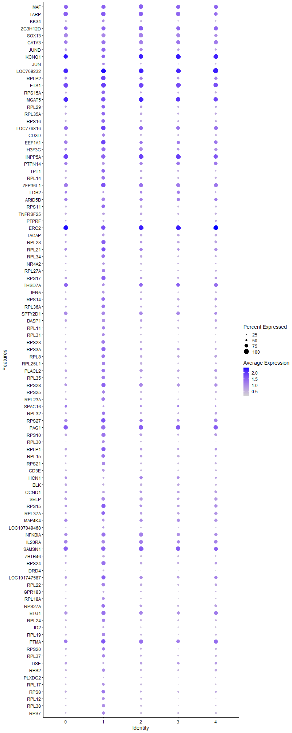
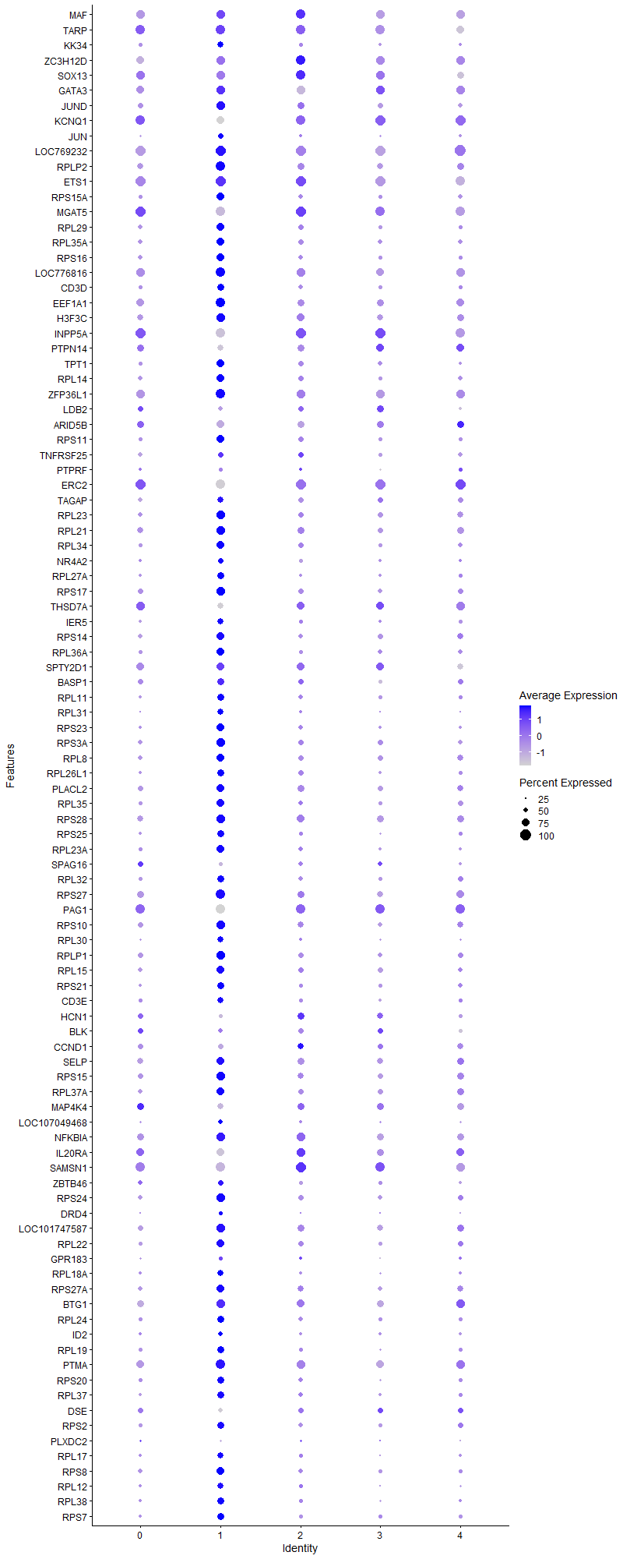
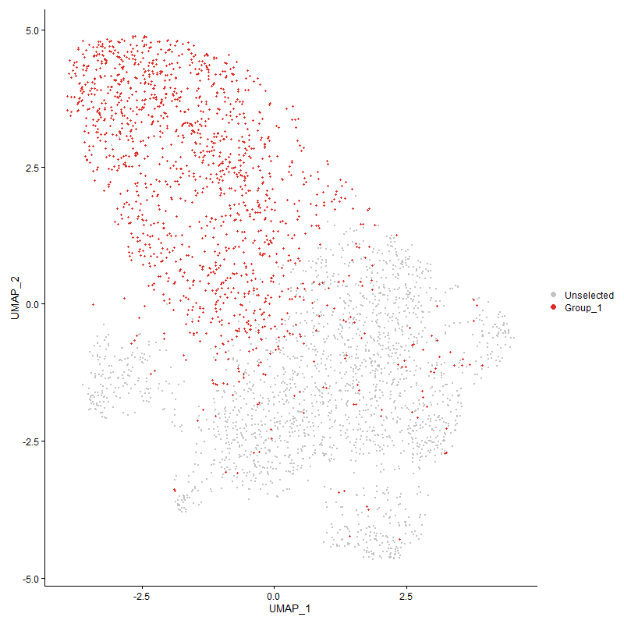
 | p_val | avg_log2FC | pct.1 | pct.2 | p_val_adj | cluster | gene
MAF1 | 0 | 1.6493304598 | 0.855 | 0.154 | 0 | 1 | MAF
TARP1 | 0 | 1.5239115496 | 0.88 | 0.234 | 0 | 1 | TARP
KK341 | 0 | 1.3187654284 | 0.663 | 0.059 | 0 | 1 | KK34
ZC3H12D1 | 0 | 1.2563508884 | 0.859 | 0.368 | 0 | 1 | ZC3H12D
SOX131 | 0 | 1.2505872276 | 0.81 | 0.113 | 0 | 1 | SOX13
GATA31 | 0 | 1.2048234737 | 0.843 | 0.314 | 0 | 1 | GATA3
JUND | 4.2332269963E-235 | 1.0974119927 | 0.827 | 0.541 | 6.464560946E-231 | 1 | JUND
KCNQ11 | 0 | 1.0857458424 | 0.77 | 0.138 | 0 | 1 | KCNQ1
JUN | 1.9143177742E-181 | 1.0834130029 | 0.585 | 0.281 | 2.923354673E-177 | 1 | JUN
LOC7692321 | 9.3086925575E-299 | 1.059760959 | 0.987 | 0.747 | 1.4215304405E-294 | 1 | LOC769232
RPLP2 | 5.6602051043E-194 | 1.0053437604 | 0.88 | 0.694 | 8.6436992148E-190 | 1 | RPLP2
ETS11 | 3.7219073065E-297 | 0.98843001121 | 0.953 | 0.702 | 5.6837246478E-293 | 1 | ETS1
RPS15A | 1.7461681031E-179 | 0.959353214 | 0.767 | 0.504 | 2.6665733102E-175 | 1 | RPS15A
MGAT51 | 3.390661982E-243 | 0.95456901119 | 0.911 | 0.61 | 5.1778799127E-239 | 1 | MGAT5
RPL29 | 8.1422645137E-185 | 0.9537001883 | 0.794 | 0.551 | 1.2434052139E-180 | 1 | RPL29
RPL35A | 1.9958674594E-189 | 0.94273959996 | 0.794 | 0.542 | 3.0478891972E-185 | 1 | RPL35A
RPS16 | 6.3562216927E-169 | 0.9353496658 | 0.758 | 0.511 | 9.7065861469E-165 | 1 | RPS16
LOC776816 | 8.987914691E-238 | 0.93054473164 | 0.932 | 0.772 | 1.3725444525E-233 | 1 | LOC776816
CD3D | 1.043017671E-278 | 0.92108220878 | 0.719 | 0.314 | 1.5927922853E-274 | 1 | CD3D
EEF1A1 | 8.059596167E-178 | 0.91997107289 | 0.885 | 0.751 | 1.2307809307E-173 | 1 | EEF1A1
H3F3C | 4.1902125163E-256 | 0.90987936163 | 0.852 | 0.596 | 6.3988735337E-252 | 1 | H3F3C
INPP5A1 | 1.0435334741E-273 | 0.90007147869 | 0.895 | 0.471 | 1.5935799683E-269 | 1 | INPP5A
PTPN141 | 0 | 0.89496112972 | 0.627 | 0.109 | 0 | 1 | PTPN14
TPT1 | 3.5330902553E-137 | 0.86881816698 | 0.763 | 0.551 | 5.3953821288E-133 | 1 | TPT1
RPL14 | 1.0588732059E-163 | 0.86683936328 | 0.746 | 0.49 | 1.6170052727E-159 | 1 | RPL14
ZFP36L1 | 1.4193616155E-217 | 0.86468296691 | 0.924 | 0.788 | 2.167507123E-213 | 1 | ZFP36L1
LDB21 | 0 | 0.86076972716 | 0.505 | 0.1 | 0 | 1 | LDB2
ARID5B1 | 6.0213302638E-243 | 0.85760466748 | 0.748 | 0.343 | 9.1951734458E-239 | 1 | ARID5B
RPS11 | 2.3805171878E-151 | 0.85507447124 | 0.77 | 0.543 | 3.6352877974E-147 | 1 | RPS11
TNFRSF251 | 0 | 0.85378829879 | 0.552 | 0.142 | 0 | 1 | TNFRSF25
PTPRF1 | 0 | 0.85222147068 | 0.449 | 0.052 | 0 | 1 | PTPRF
ERC21 | 2.8819895861E-294 | 0.83736616926 | 0.889 | 0.343 | 4.401086297E-290 | 1 | ERC2
TAGAP1 | 3.314781284E-266 | 0.82977906683 | 0.617 | 0.229 | 5.0620024989E-262 | 1 | TAGAP
RPL23 | 1.2247091699E-155 | 0.82699538543 | 0.833 | 0.633 | 1.8702533734E-151 | 1 | RPL23
RPL21 | 2.0213991158E-152 | 0.82332365668 | 0.868 | 0.703 | 3.0868785898E-148 | 1 | RPL21
RPL34 | 2.0497349709E-152 | 0.81575017334 | 0.757 | 0.513 | 3.1301502741E-148 | 1 | RPL34
NR4A21 | 3.6779068626E-177 | 0.80891100614 | 0.544 | 0.237 | 5.6165315698E-173 | 1 | NR4A2
RPL27A | 5.1925009303E-153 | 0.80830287334 | 0.703 | 0.427 | 7.9294681706E-149 | 1 | RPL27A
RPS17 | 3.3510837166E-152 | 0.80118012437 | 0.836 | 0.635 | 5.1174399436E-148 | 1 | RPS17
THSD7A1 | 0 | 0.80074409194 | 0.605 | 0.148 | 0 | 1 | THSD7A
IER5 | 1.003283247E-226 | 0.79972668648 | 0.642 | 0.287 | 1.5321138464E-222 | 1 | IER5
RPS14 | 6.5486809555E-148 | 0.79713215547 | 0.794 | 0.568 | 1.0000490687E-143 | 1 | RPS14
RPL36A | 1.098154012E-145 | 0.79104009177 | 0.743 | 0.495 | 1.6769909917E-141 | 1 | RPL36A
SPTY2D11 | 1.8559318244E-216 | 0.7910239405 | 0.772 | 0.419 | 2.834193489E-212 | 1 | SPTY2D1
BASP11 | 6.6649841937E-263 | 0.78079865625 | 0.673 | 0.259 | 1.0178097362E-258 | 1 | BASP1
RPL11 | 2.6402218671E-139 | 0.7739015514 | 0.691 | 0.436 | 4.0318828132E-135 | 1 | RPL11
RPL31 | 5.3463910246E-148 | 0.77370543635 | 0.644 | 0.36 | 8.1644737337E-144 | 1 | RPL31
RPS23 | 6.9175700529E-146 | 0.76529667439 | 0.738 | 0.482 | 1.0563821228E-141 | 1 | RPS23
RPS3A | 6.9949072183E-134 | 0.76001259424 | 0.817 | 0.628 | 1.0681922813E-129 | 1 | RPS3A
RPL8 | 2.4356008437E-147 | 0.75317882953 | 0.785 | 0.555 | 3.7194060484E-143 | 1 | RPL8
RPL26L1 | 4.9195771472E-142 | 0.75282811394 | 0.717 | 0.469 | 7.5126862615E-138 | 1 | RPL26L1
PLACL2 | 1.1944518515E-158 | 0.75060966472 | 0.788 | 0.498 | 1.8240474224E-154 | 1 | PLACL2
RPL35 | 2.5881519066E-156 | 0.74823920664 | 0.76 | 0.504 | 3.9523667766E-152 | 1 | RPL35
RPS28 | 7.5035476403E-164 | 0.74657466156 | 0.869 | 0.681 | 1.1458667601E-159 | 1 | RPS28
RPS25 | 1.3590297436E-136 | 0.74559536491 | 0.684 | 0.431 | 2.0753743214E-132 | 1 | RPS25
RPL23A | 1.1278345313E-161 | 0.74462603065 | 0.755 | 0.485 | 1.7223161127E-157 | 1 | RPL23A
SPAG161 | 0 | 0.74432196564 | 0.411 | 0.073 | 0 | 1 | SPAG16
RPL32 | 2.7588958197E-120 | 0.73938079448 | 0.731 | 0.524 | 4.2131098063E-116 | 1 | RPL32
RPS27 | 6.9230897304E-142 | 0.73468316014 | 0.889 | 0.736 | 1.0572250327E-137 | 1 | RPS27
PAG11 | 1.3519831826E-217 | 0.72912680094 | 0.88 | 0.478 | 2.0646135182E-213 | 1 | PAG1
RPS10 | 1.4799753763E-155 | 0.72595016739 | 0.816 | 0.591 | 2.2600703971E-151 | 1 | RPS10
RPL30 | 1.0137362388E-135 | 0.72560850814 | 0.644 | 0.372 | 1.5480766102E-131 | 1 | RPL30
RPLP1 | 1.8981826617E-123 | 0.72132546117 | 0.848 | 0.672 | 2.8987147427E-119 | 1 | RPLP1
RPL15 | 3.5419893217E-139 | 0.72100062863 | 0.794 | 0.572 | 5.4089718931E-135 | 1 | RPL15
RPS21 | 1.8169903714E-128 | 0.71059647502 | 0.677 | 0.428 | 2.7747259962E-124 | 1 | RPS21
CD3E | 2.7554255528E-225 | 0.70692699878 | 0.654 | 0.278 | 4.2078103617E-221 | 1 | CD3E
HCN11 | 0 | 0.70092046816 | 0.451 | 0.081 | 0 | 1 | HCN1
BLK1 | 0 | 0.69990029069 | 0.51 | 0.106 | 0 | 1 | BLK
CCND11 | 1.0069164041E-230 | 0.69789511386 | 0.578 | 0.206 | 1.5376620406E-226 | 1 | CCND1
SELP1 | 1.1100041283E-180 | 0.69459353557 | 0.747 | 0.424 | 1.6950873044E-176 | 1 | SELP
RPS15 | 2.0837806336E-135 | 0.69240633306 | 0.864 | 0.693 | 3.1821414055E-131 | 1 | RPS15
RPL37A | 1.208966191E-119 | 0.68961673685 | 0.815 | 0.629 | 1.8462122702E-115 | 1 | RPL37A
MAP4K41 | 7.1796556539E-218 | 0.68846262355 | 0.637 | 0.249 | 1.0964052149E-213 | 1 | MAP4K4
LOC107049468 | 3.0804329461E-80 | 0.68822689899 | 0.498 | 0.298 | 4.7041291521E-76 | 1 | LOC107049468
NFKBIA | 1.5570118179E-119 | 0.68783871343 | 0.823 | 0.651 | 2.3777127471E-115 | 1 | NFKBIA
IL20RA1 | 7.4271742311E-216 | 0.68762338022 | 0.754 | 0.329 | 1.1342037768E-211 | 1 | IL20RA
SAMSN11 | 9.4406574894E-159 | 0.68443222037 | 0.899 | 0.59 | 1.4416828052E-154 | 1 | SAMSN1
ZBTB461 | 0 | 0.67840536922 | 0.564 | 0.155 | 0 | 1 | ZBTB46
RPS24 | 4.8246689098E-128 | 0.6722991687 | 0.811 | 0.587 | 7.3677518922E-124 | 1 | RPS24
DRD4 | 0 | 0.66115536538 | 0.4 | 0.026 | 0 | 1 | DRD4
LOC101747587 | 1.611376519E-142 | 0.65556587819 | 0.884 | 0.684 | 2.4607330822E-138 | 1 | LOC101747587
RPL22 | 4.7846634017E-137 | 0.65294603578 | 0.753 | 0.499 | 7.3066594807E-133 | 1 | RPL22
GPR1831 | 4.9507152077E-182 | 0.65230045426 | 0.44 | 0.149 | 7.5602371937E-178 | 1 | GPR183
RPL18A | 7.6406934209E-117 | 0.65160424746 | 0.663 | 0.424 | 1.1668102923E-112 | 1 | RPL18A
RPS27A | 8.6205905022E-123 | 0.64516457006 | 0.804 | 0.6 | 1.3164503756E-118 | 1 | RPS27A
BTG1 | 7.6632194878E-119 | 0.64163610353 | 0.845 | 0.679 | 1.170250248E-114 | 1 | BTG1
RPL24 | 5.4966852718E-106 | 0.64159757455 | 0.731 | 0.527 | 8.3939880786E-102 | 1 | RPL24
ID2 | 6.4272106299E-169 | 0.64133540084 | 0.511 | 0.211 | 9.8149933529E-165 | 1 | ID2
RPL19 | 2.3507157756E-120 | 0.63721997004 | 0.713 | 0.479 | 3.5897780609E-116 | 1 | RPL19
PTMA | 2.4345733036E-124 | 0.63720646878 | 0.914 | 0.779 | 3.7178368919E-120 | 1 | PTMA
RPS20 | 2.8853335758E-105 | 0.63349421371 | 0.721 | 0.512 | 4.4061929036E-101 | 1 | RPS20
RPL37 | 4.8936269244E-115 | 0.63113310307 | 0.704 | 0.47 | 7.4730576763E-111 | 1 | RPL37
DSE1 | 0 | 0.62455995287 | 0.512 | 0.114 | 0 | 1 | DSE
RPS2 | 1.1071076013E-128 | 0.62242585376 | 0.714 | 0.459 | 1.6906640179E-124 | 1 | RPS2
PLXDC21 | 1.4378756463E-271 | 0.6175938895 | 0.262 | 0.036 | 2.1957798995E-267 | 1 | PLXDC2
RPL17 | 4.7484618843E-111 | 0.61522691593 | 0.641 | 0.393 | 7.2513761435E-107 | 1 | RPL17
RPS8 | 3.7547288934E-106 | 0.61270756406 | 0.773 | 0.563 | 5.7338464932E-102 | 1 | RPS8
RPL12 | 1.820773959E-123 | 0.61259551896 | 0.663 | 0.404 | 2.7805039128E-119 | 1 | RPL12
RPL38 | 2.5801557771E-109 | 0.61181659903 | 0.668 | 0.427 | 3.9401558872E-105 | 1 | RPL38
RPS7 | 6.4252592056E-104 | 0.61013153017 | 0.689 | 0.469 | 9.8120133329E-100 | 1 | RPS7
LOC1211109511 | 2.0557330161E-228 | 0.6084287145 | 0.264 | 0.044 | 3.139309889E-224 | 1 | LOC121110951
ARHGEF31 | 1.4600170276E-92 | 0.60774026291 | 0.877 | 0.631 | 2.2295920028E-88 | 1 | ARHGEF3
RPS12 | 1.0633675785E-101 | 0.60682194329 | 0.751 | 0.557 | 1.6238686291E-97 | 1 | RPS12
RPL27 | 4.4702117205E-106 | 0.60093341301 | 0.68 | 0.446 | 6.8264603184E-102 | 1 | RPL27
RPS26 | 2.2813832754E-96 | 0.59955441344 | 0.721 | 0.515 | 3.4839003999E-92 | 1 | RPS26
RPL9 | 3.8318335567E-101 | 0.5992517263 | 0.619 | 0.386 | 5.8515930245E-97 | 1 | RPL9
RPS29 | 7.7129064183E-113 | 0.59348539435 | 0.736 | 0.505 | 1.1778379391E-108 | 1 | RPS29
RPL39L | 1.9579141838E-121 | 0.59201497916 | 0.866 | 0.666 | 2.98993075E-117 | 1 | RPL39L
RPSAP58 | 2.8777805729E-106 | 0.58861827093 | 0.746 | 0.528 | 4.3946587129E-102 | 1 | RPSAP58
CSRNP1 | 6.0705767708E-151 | 0.58718887247 | 0.478 | 0.197 | 9.2703777867E-147 | 1 | CSRNP1
RPL13 | 1.8627576205E-106 | 0.58219918945 | 0.826 | 0.648 | 2.8446171623E-102 | 1 | RPL13
PDE1A1 | 2.6437500409E-197 | 0.57666138256 | 0.251 | 0.046 | 4.0372706875E-193 | 1 | PDE1A
LOC770612 | 5.0396604926E-143 | 0.57657545756 | 0.592 | 0.299 | 7.6960655382E-139 | 1 | LOC770612
RPL7A | 5.0539694458E-112 | 0.57545534844 | 0.677 | 0.43 | 7.7179167406E-108 | 1 | RPL7A
H3F3B | 2.407845884E-100 | 0.57072081403 | 0.889 | 0.754 | 3.6770214494E-96 | 1 | H3F3B
RPL6 | 1.559452594E-92 | 0.57056394345 | 0.763 | 0.577 | 2.3814400562E-88 | 1 | RPL6
S100A11 | 1.349030561E-222 | 0.56902580986 | 0.44 | 0.13 | 2.0601045697E-218 | 1 | S100A11
RACK1 | 2.1576223322E-92 | 0.56672483364 | 0.711 | 0.5 | 3.2949050635E-88 | 1 | RACK1
SSBP31 | 7.2557294618E-156 | 0.56166075409 | 0.647 | 0.322 | 1.1080224461E-151 | 1 | SSBP3
NR4A3 | 1.1428439045E-64 | 0.56087719372 | 0.418 | 0.22 | 1.7452369266E-60 | 1 | NR4A3
BIRC21 | 4.08241162E-121 | 0.55745948659 | 0.555 | 0.283 | 6.2342507848E-117 | 1 | BIRC2
RPS3 | 5.4831276137E-98 | 0.55320270822 | 0.734 | 0.523 | 8.3732841789E-94 | 1 | RPS3
RPS4Y1 | 2.7301264583E-99 | 0.55037654408 | 0.651 | 0.417 | 4.1691761144E-95 | 1 | RPS4Y1
RPS13 | 7.6355638234E-99 | 0.54936163978 | 0.562 | 0.324 | 1.1660269515E-94 | 1 | RPS13
IPMK1 | 1.8379504851E-197 | 0.54714984716 | 0.512 | 0.183 | 2.8067341859E-193 | 1 | IPMK
RORA1 | 2.0210993951E-92 | 0.54570996819 | 0.622 | 0.345 | 3.0864208863E-88 | 1 | RORA
MAP3K51 | 9.3097344217E-100 | 0.54563401088 | 0.872 | 0.631 | 1.4216895435E-95 | 1 | MAP3K5
ST8SIA11 | 6.1898159504E-187 | 0.54520416854 | 0.623 | 0.242 | 9.4524679379E-183 | 1 | ST8SIA1
HMGCR1 | 9.2803942969E-76 | 0.54426071708 | 0.621 | 0.4 | 1.4172090131E-71 | 1 | HMGCR
STAT41 | 5.2387189885E-138 | 0.54254018494 | 0.694 | 0.365 | 8.0000477673E-134 | 1 | STAT4
UBA52 | 1.4589939956E-85 | 0.53465324553 | 0.652 | 0.439 | 2.2280297307E-81 | 1 | UBA52
PTMS | 3.1756006508E-113 | 0.53023574376 | 0.531 | 0.27 | 4.8494597539E-109 | 1 | PTMS
DUSP71 | 2.0477443526E-144 | 0.52951769507 | 0.506 | 0.22 | 3.1271104008E-140 | 1 | DUSP7
LOC429682 | 3.5966910795E-163 | 0.52790275501 | 0.505 | 0.204 | 5.4925069475E-159 | 1 | LOC429682
TNFRSF91 | 8.7619273292E-219 | 0.52057350928 | 0.375 | 0.095 | 1.3380339224E-214 | 1 | TNFRSF9
LBH1 | 5.0068764169E-179 | 0.51879138599 | 0.4 | 0.125 | 7.6460009762E-175 | 1 | LBH
RPL7 | 2.1225077126E-80 | 0.51425473378 | 0.663 | 0.463 | 3.241281528E-76 | 1 | RPL7
RPL4 | 4.6007241284E-90 | 0.51259821514 | 0.798 | 0.601 | 7.0257658165E-86 | 1 | RPL4
EEF1B2 | 1.9472386701E-78 | 0.50699916477 | 0.599 | 0.387 | 2.9736281731E-74 | 1 | EEF1B2
EIF1 | 4.9864034386E-102 | 0.50558162043 | 0.712 | 0.488 | 7.6147366911E-98 | 1 | EIF1
IL2RA | 8.0362335572E-99 | 0.50479083017 | 0.234 | 0.072 | 1.2272132265E-94 | 1 | IL2RA
RPL3 | 1.0869999419E-98 | 0.50462370358 | 0.635 | 0.39 | 1.6599576113E-94 | 1 | RPL3
RPS6 | 9.0679751633E-87 | 0.50347035359 | 0.629 | 0.41 | 1.3847704872E-82 | 1 | RPS6
RPL10A | 3.0846414206E-90 | 0.50118421279 | 0.628 | 0.402 | 4.7105559134E-86 | 1 | RPL10A
MAML31 | 5.917798223E-103 | 0.49389090004 | 0.448 | 0.201 | 9.0370696663E-99 | 1 | MAML3
PNRC1 | 3.9516462886E-91 | 0.49223119028 | 0.846 | 0.672 | 6.0345590474E-87 | 1 | PNRC1
CCNL11 | 2.2519971159E-75 | 0.4875420792 | 0.723 | 0.534 | 3.4390247957E-71 | 1 | CCNL1
ZFP36L2 | 3.4879570131E-82 | 0.48489250347 | 0.644 | 0.427 | 5.3264591547E-78 | 1 | ZFP36L2
LOC107056413 | 2.8891963336E-105 | 0.48160774572 | 0.66 | 0.395 | 4.412091721E-101 | 1 | LOC107056413
PLEKHF21 | 2.2010479023E-279 | 0.48105160782 | 0.36 | 0.071 | 3.3612202515E-275 | 1 | PLEKHF2
TXK1 | 3.6125528477E-113 | 0.47862635578 | 0.599 | 0.309 | 5.5167294537E-109 | 1 | TXK
TTYH31 | 2.5090701422E-106 | 0.47859638634 | 0.816 | 0.572 | 3.8316010142E-102 | 1 | TTYH3
RPL5 | 4.9533735079E-79 | 0.47573778853 | 0.665 | 0.455 | 7.5642966839E-75 | 1 | RPL5
EIF2AK31 | 9.1180856935E-75 | 0.47236377298 | 0.6 | 0.379 | 1.3924228663E-70 | 1 | EIF2AK3
ITPR21 | 8.1487581487E-94 | 0.47107277261 | 0.884 | 0.669 | 1.2443968569E-89 | 1 | ITPR2
FAM102A1 | 9.7081017978E-112 | 0.47067507991 | 0.507 | 0.245 | 1.4825242255E-107 | 1 | FAM102A
TNFSF81 | 1.3946637854E-157 | 0.46773399094 | 0.431 | 0.151 | 2.1297910667E-153 | 1 | TNFSF8
CRY11 | 1.2934896038E-132 | 0.46406709424 | 0.549 | 0.246 | 1.975287974E-128 | 1 | CRY1
DACH21 | 2.6461534535E-151 | 0.46150148905 | 0.311 | 0.085 | 4.0409409389E-147 | 1 | DACH2
CD441 | 2.4643491367E-56 | 0.46065984321 | 0.991 | 0.971 | 3.7633075666E-52 | 1 | CD44
PTPN71 | 5.6318458184E-177 | 0.45569478676 | 0.462 | 0.162 | 8.6003917492E-173 | 1 | PTPN7
NME2 | 2.9965437811E-91 | 0.45562401786 | 0.57 | 0.334 | 4.5760220081E-87 | 1 | NME2
ITGB1BP3 | 6.9797727115E-78 | 0.45017030057 | 0.658 | 0.433 | 1.0658810908E-73 | 1 | ITGB1BP3
IGSF31 | 2.4083440103E-151 | 0.44971184352 | 0.391 | 0.131 | 3.6777821381E-147 | 1 | IGSF3
MCL1 | 1.770979938E-63 | 0.44927526951 | 0.617 | 0.433 | 2.7044634633E-59 | 1 | MCL1
EGLN11 | 1.946388533E-95 | 0.44642307293 | 0.485 | 0.245 | 2.9723299287E-91 | 1 | EGLN1
FNBP11 | 2.1017289584E-74 | 0.44491055553 | 0.924 | 0.77 | 3.2095502923E-70 | 1 | FNBP1
CD2471 | 5.9343716503E-117 | 0.44285626138 | 0.893 | 0.53 | 9.0623789471E-113 | 1 | CD247
SLC29A41 | 2.3262572788E-229 | 0.44241260924 | 0.353 | 0.082 | 3.5524274905E-225 | 1 | SLC29A4
C1orf186 | 0 | 0.44120525692 | 0.318 | 0.026 | 0 | 1 | C1orf186
RPL36 | 2.010732785E-76 | 0.44092359607 | 0.602 | 0.385 | 3.070590036E-72 | 1 | RPL36
LCLAT11 | 5.6015170578E-69 | 0.43834779882 | 0.568 | 0.341 | 8.554076699E-65 | 1 | LCLAT1
FUS1 | 5.60924537E-55 | 0.43580420739 | 0.86 | 0.728 | 8.5658786045E-51 | 1 | FUS
KCTD12B | 4.7006608239E-154 | 0.43125015129 | 0.395 | 0.134 | 7.1783791442E-150 | 1 | KCTD12B
PABPC1 | 2.2355610806E-71 | 0.42589315794 | 0.831 | 0.662 | 3.4139253261E-67 | 1 | PABPC1
CD821 | 2.1451004854E-84 | 0.42431915649 | 0.543 | 0.306 | 3.2757829513E-80 | 1 | CD82
PREX11 | 8.6471294963E-91 | 0.42132719881 | 0.983 | 0.88 | 1.3205031454E-86 | 1 | PREX1
LOC419545 | 3.3381458593E-75 | 0.41775673474 | 0.744 | 0.5 | 5.0976825418E-71 | 1 | LOC419545
EEF2 | 9.9468826594E-69 | 0.41144936938 | 0.665 | 0.449 | 1.5189884509E-64 | 1 | EEF2
PLCG11 | 9.9056140883E-117 | 0.40845051865 | 0.514 | 0.239 | 1.5126863274E-112 | 1 | PLCG1
CCDC88A1 | 3.9012937555E-96 | 0.40822382882 | 0.507 | 0.255 | 5.957665694E-92 | 1 | CCDC88A
IRF1 | 6.0809976836E-54 | 0.40569296131 | 0.428 | 0.248 | 9.2862915627E-50 | 1 | IRF1
ARHGAP291 | 1.3080344502E-89 | 0.40460880964 | 0.694 | 0.401 | 1.9974994088E-85 | 1 | ARHGAP29
LOC101750540 | 0 | 0.40432081852 | 0.253 | 0.014 | 0 | 1 | LOC101750540
PPIA | 5.3410620333E-79 | 0.40290515731 | 0.56 | 0.338 | 8.1563358311E-75 | 1 | PPIA
BCL11B1 | 1.1494796555E-93 | 0.39970415172 | 0.97 | 0.597 | 1.755370382E-89 | 1 | BCL11B
IL2RG | 7.5267889602E-99 | 0.398497446 | 0.498 | 0.252 | 1.1494159421E-94 | 1 | IL2RG
ZBTB201 | 2.1543691989E-55 | 0.39659204961 | 0.617 | 0.384 | 3.2899372037E-51 | 1 | ZBTB20
YBX1 | 1.3680980927E-56 | 0.39654008672 | 0.549 | 0.366 | 2.0892225974E-52 | 1 | YBX1
ZNF5211 | 3.0214758771E-112 | 0.39640012825 | 0.682 | 0.329 | 4.6140958119E-108 | 1 | ZNF521
NPM1 | 4.4402973561E-68 | 0.39521850344 | 0.628 | 0.423 | 6.7807780925E-64 | 1 | NPM1
EIF4A2 | 3.6346891396E-58 | 0.38814953731 | 0.698 | 0.545 | 5.5505337851E-54 | 1 | EIF4A2
AFF21 | 7.873819427E-79 | 0.38679048236 | 0.976 | 0.855 | 1.2024109647E-74 | 1 | AFF2
DUSP6 | 3.8367475626E-220 | 0.38484367593 | 0.245 | 0.041 | 5.8590972029E-216 | 1 | DUSP6
LYST1 | 2.3669352201E-100 | 0.38410165565 | 0.519 | 0.256 | 3.6145467745E-96 | 1 | LYST
ST6GAL11 | 3.721797762E-49 | 0.38209162877 | 0.748 | 0.605 | 5.6835573624E-45 | 1 | ST6GAL1
LOC100858579 | 4.8653238346E-252 | 0.38170005529 | 0.178 | 0.017 | 7.4298360278E-248 | 1 | LOC100858579
C12orf75 | 1.2848354886E-113 | 0.37907547203 | 0.375 | 0.145 | 1.9620722746E-109 | 1 | C12orf75
PIBPPDD4L | 2.1748368517E-158 | 0.37841213178 | 0.37 | 0.116 | 3.3211933562E-154 | 1 | PIBPPDD4L
PMAIP1 | 6.6802778895E-44 | 0.37777233257 | 0.317 | 0.177 | 1.0201452365E-39 | 1 | PMAIP1
NHS1 | 5.6243247543E-145 | 0.37617376849 | 0.158 | 0.025 | 8.5889063323E-141 | 1 | NHS
ZAP701 | 2.6069603397E-195 | 0.37539889246 | 0.323 | 0.078 | 3.9810891347E-191 | 1 | ZAP70
BOK | 4.4625899085E-196 | 0.37463140216 | 0.315 | 0.073 | 6.8148210493E-192 | 1 | BOK
PRKAR2A1 | 2.4826677592E-65 | 0.37254895886 | 0.704 | 0.462 | 3.7912819351E-61 | 1 | PRKAR2A
ANXA6 | 5.4862941997E-113 | 0.37026259814 | 0.391 | 0.158 | 8.3781198724E-109 | 1 | ANXA6
TNFSF111 | 3.0264186461E-80 | 0.36808115637 | 0.335 | 0.144 | 4.6216439145E-76 | 1 | TNFSF11
FAM53B | 6.2636569248E-94 | 0.36566839888 | 0.45 | 0.211 | 9.5652304898E-90 | 1 | FAM53B
LOC100859737 | 1.0323518129E-102 | 0.3632657713 | 0.398 | 0.171 | 1.5765044534E-98 | 1 | LOC100859737
LOC101748259 | 5.2765618454E-155 | 0.36216882911 | 0.297 | 0.08 | 8.0578375941E-151 | 1 | LOC101748259
LOC107049666 | 3.3805690703E-74 | 0.36198374135 | 0.578 | 0.352 | 5.1624670272E-70 | 1 | LOC107049666
GPC11 | 2.1427724246E-186 | 0.35971302277 | 0.181 | 0.025 | 3.2722277696E-182 | 1 | GPC1
CALM2 | 1.8442655457E-57 | 0.35922811495 | 0.546 | 0.355 | 2.8163779148E-53 | 1 | CALM2
DUSP5 | 1.1414580034E-117 | 0.35921263475 | 0.251 | 0.073 | 1.743120517E-113 | 1 | DUSP5
POLD4 | 1.5649833206E-92 | 0.35917745826 | 0.477 | 0.236 | 2.3898860289E-88 | 1 | POLD4
DENND1B1 | 3.9821095684E-70 | 0.3591609531 | 0.933 | 0.789 | 6.0810795219E-66 | 1 | DENND1B
RUNX11 | 9.4489713377E-63 | 0.35879465851 | 0.993 | 0.916 | 1.442952413E-58 | 1 | RUNX1
ATF4 | 1.3665220542E-33 | 0.35865485088 | 0.573 | 0.455 | 2.086815829E-29 | 1 | ATF4
CEBPD | 1.0001640783E-110 | 0.35786283255 | 0.29 | 0.098 | 1.5273505639E-106 | 1 | CEBPD
KCNJ151 | 3.7533761882E-293 | 0.3554125729 | 0.19 | 0.016 | 5.7317807769E-289 | 1 | KCNJ15
CTBP11 | 1.1371441374E-54 | 0.3554033234 | 0.742 | 0.54 | 1.7365328122E-50 | 1 | CTBP1
KLF91 | 2.2575073291E-119 | 0.3523474837 | 0.263 | 0.078 | 3.4474394422E-115 | 1 | KLF9
SEPTIN9 | 1.3550961988E-66 | 0.35160961883 | 0.553 | 0.338 | 2.0693674051E-62 | 1 | SEPTIN9
NAP1L1 | 1.8612212059E-53 | 0.34689618741 | 0.495 | 0.31 | 2.8422709036E-49 | 1 | NAP1L1
GRAP21 | 4.1288813551E-66 | 0.34532748509 | 0.571 | 0.336 | 6.3052147173E-62 | 1 | GRAP2
EEF1D | 5.0396648179E-48 | 0.34413133872 | 0.542 | 0.364 | 7.6960721434E-44 | 1 | EEF1D
SOBP1 | 3.5783207789E-103 | 0.34305210499 | 0.189 | 0.047 | 5.4644536614E-99 | 1 | SOBP
PDPK11 | 1.6503835562E-38 | 0.34240482535 | 0.624 | 0.486 | 2.5203007287E-34 | 1 | PDPK1
CRTC11 | 6.1272940207E-76 | 0.34017349041 | 0.446 | 0.231 | 9.356990699E-72 | 1 | CRTC1
DIP2B1 | 9.2144553816E-58 | 0.33772814143 | 0.639 | 0.432 | 1.4071394813E-53 | 1 | DIP2B
ARHGAP45 | 6.8403824634E-57 | 0.33343784184 | 0.58 | 0.389 | 1.044594806E-52 | 1 | ARHGAP45
ARF6 | 1.0208794543E-52 | 0.33288290046 | 0.541 | 0.355 | 1.5589850146E-48 | 1 | ARF6
HSP90AA1 | 3.7675153879E-58 | 0.33269145749 | 0.522 | 0.328 | 5.7533727489E-54 | 1 | HSP90AA1
PTEN1 | 7.7957753233E-45 | 0.33107300931 | 0.59 | 0.428 | 1.1904928496E-40 | 1 | PTEN
MYO1B1 | 5.0622193702E-81 | 0.3295518045 | 0.434 | 0.205 | 7.7305152003E-77 | 1 | MYO1B
PLXNC11 | 1.743261514E-56 | 0.32780282733 | 0.565 | 0.348 | 2.662134658E-52 | 1 | PLXNC1
BTG2 | 3.306180257E-38 | 0.32760151293 | 0.501 | 0.349 | 5.0488678704E-34 | 1 | BTG2
FOSL2 | 5.0125335931E-57 | 0.32706711405 | 0.378 | 0.201 | 7.65464005E-53 | 1 | FOSL2
IL9R1 | 1.4013762935E-242 | 0.32578995169 | 0.238 | 0.034 | 2.1400417378E-238 | 1 | IL9R
SYTL1 | 3.7443405712E-89 | 0.3255314364 | 0.326 | 0.132 | 5.7179824863E-85 | 1 | SYTL1
IFNGR1 | 7.4253769742E-60 | 0.3249878905 | 0.512 | 0.309 | 1.1339293177E-55 | 1 | IFNGR1
UNC119B | 5.3020665839E-64 | 0.31757585544 | 0.372 | 0.193 | 8.0967858803E-60 | 1 | UNC119B
MT4 | 6.1831353399E-262 | 0.31680012999 | 0.198 | 0.021 | 9.4422659776E-258 | 1 | MT4
TOMM7 | 2.8941222714E-67 | 0.31562045496 | 0.383 | 0.195 | 4.4196141206E-63 | 1 | TOMM7
PPP1CB1 | 6.2937850009E-62 | 0.31133660668 | 0.488 | 0.282 | 9.6112390748E-58 | 1 | PPP1CB
ACTB | 1.3435383235E-49 | 0.31047641862 | 0.839 | 0.675 | 2.0517173738E-45 | 1 | ACTB
NCL | 1.3276356416E-42 | 0.30968197655 | 0.58 | 0.425 | 2.0274323883E-38 | 1 | NCL
UBB | 1.3693100392E-47 | 0.30748504213 | 0.484 | 0.313 | 2.0910733608E-43 | 1 | UBB
SERBP1 | 2.3336542714E-41 | 0.30514004393 | 0.532 | 0.373 | 3.5637234378E-37 | 1 | SERBP1
LOC1125320971 | 6.1008422937E-33 | 0.30259136808 | 0.229 | 0.119 | 9.3165962667E-29 | 1 | LOC112532097
RXRA1 | 4.6625972716E-65 | 0.3025088414 | 0.389 | 0.199 | 7.1202522935E-61 | 1 | RXRA
LEF11 | 2.2265189307E-78 | 0.30102754104 | 0.592 | 0.315 | 3.4001170591E-74 | 1 | LEF1
NFATC21 | 3.630656667E-57 | 0.29886266266 | 0.457 | 0.261 | 5.5443757962E-53 | 1 | NFATC2
IL1RL1 | 5.1444897247E-238 | 0.29811776216 | 0.206 | 0.025 | 7.8561502586E-234 | 1 | IL1RL1
HMGN4 | 2.0919213131E-73 | 0.2973551548 | 0.42 | 0.211 | 3.1945730372E-69 | 1 | HMGN4
MAN1A11 | 1.5006217514E-49 | 0.29699314043 | 0.965 | 0.875 | 2.2915994765E-45 | 1 | MAN1A1
TRIM8 | 1.1113866463E-59 | 0.29698629029 | 0.446 | 0.255 | 1.6971985475E-55 | 1 | TRIM8
MYL12B | 3.5707692354E-64 | 0.29695337425 | 0.373 | 0.19 | 5.4529216993E-60 | 1 | MYL12B
MOB21 | 9.740086073E-46 | 0.29516896711 | 0.587 | 0.381 | 1.4874085442E-41 | 1 | MOB2
UBE2F1 | 1.0005272715E-65 | 0.29506847916 | 0.339 | 0.161 | 1.5279051963E-61 | 1 | UBE2F
ADAM33 | 1.5776063682E-44 | 0.29457029367 | 0.427 | 0.263 | 2.4091626849E-40 | 1 | ADAM33
LOC7762751 | 2.4221691734E-64 | 0.29413912076 | 0.254 | 0.099 | 3.6988945448E-60 | 1 | LOC776275
ELK4 | 2.2536716568E-63 | 0.29314239128 | 0.335 | 0.162 | 3.4415819871E-59 | 1 | ELK4
DUSP1 | 1.1311507458E-23 | 0.29106878662 | 0.483 | 0.359 | 1.727380304E-19 | 1 | DUSP1
RHOA | 1.4532756896E-39 | 0.28943623634 | 0.583 | 0.413 | 2.2192973056E-35 | 1 | RHOA
CCDC66 | 1.1791334696E-102 | 0.28877969281 | 0.257 | 0.082 | 1.8006547214E-98 | 1 | CCDC66
DNAJC101 | 2.4805396778E-104 | 0.28845083589 | 0.269 | 0.088 | 3.788032142E-100 | 1 | DNAJC10
HSPA5 | 3.0086128452E-29 | 0.28767381432 | 0.421 | 0.289 | 4.5944526759E-25 | 1 | HSPA5
LOC121107448 | 2.4359169546E-76 | 0.28633518534 | 0.252 | 0.095 | 3.7198887814E-72 | 1 | LOC121107448
PSIP11 | 8.0045658205E-43 | 0.28617405936 | 0.415 | 0.252 | 1.2223772465E-38 | 1 | PSIP1
MYL6 | 5.9468774486E-47 | 0.28203350051 | 0.48 | 0.308 | 9.0814765518E-43 | 1 | MYL6
BEND31 | 1.0133519399E-42 | 0.28174219484 | 0.367 | 0.212 | 1.5474897475E-38 | 1 | BEND3
MAP1LC3B | 1.5239839928E-50 | 0.28068662645 | 0.378 | 0.213 | 2.3272759554E-46 | 1 | MAP1LC3B
ATF3 | 5.0239587963E-48 | 0.2790819707 | 0.145 | 0.051 | 7.6720874779E-44 | 1 | ATF3
RGS1 | 2.8905278966E-23 | 0.27833255355 | 0.706 | 0.592 | 4.4141251509E-19 | 1 | RGS1
JADE2 | 4.9129838915E-47 | 0.27784317112 | 0.463 | 0.282 | 7.5026177007E-43 | 1 | JADE2
EXTL31 | 3.8649869992E-45 | 0.27721490517 | 0.482 | 0.299 | 5.9022216465E-41 | 1 | EXTL3
LIME1 | 2.721349189E-114 | 0.27719299838 | 0.261 | 0.078 | 4.1557723465E-110 | 1 | LIME1
XYLT11 | 6.6189021088E-34 | 0.27684816398 | 0.579 | 0.408 | 1.010772541E-29 | 1 | XYLT1
NCKAP51 | 4.0455212774E-103 | 0.27644406257 | 0.147 | 0.03 | 6.1779155427E-99 | 1 | NCKAP5
SERF2 | 2.3207375932E-36 | 0.27541098369 | 0.537 | 0.388 | 3.5439983786E-32 | 1 | SERF2
MADCAM1 | 6.2038834825E-101 | 0.27467162175 | 0.24 | 0.074 | 9.4739504661E-97 | 1 | MADCAM1
SEC62 | 3.8238999003E-64 | 0.27300996076 | 0.354 | 0.174 | 5.8394775378E-60 | 1 | SEC62
RPLP0 | 5.8101473344E-36 | 0.2727684686 | 0.742 | 0.59 | 8.8726759943E-32 | 1 | RPLP0
LOC420368 | 8.9407588853E-98 | 0.27221388623 | 0.264 | 0.088 | 1.3653432894E-93 | 1 | LOC420368
LOC124417089 | 1.0049828833E-85 | 0.27039892992 | 0.271 | 0.098 | 1.5347093611E-81 | 1 | LOC124417089
EIF3K | 1.5438584653E-79 | 0.26780481104 | 0.301 | 0.122 | 2.3576262624E-75 | 1 | EIF3K
TSHZ21 | 9.7745872986E-60 | 0.26584126174 | 0.517 | 0.278 | 1.4926772264E-55 | 1 | TSHZ2
CTSD | 1.6685956149E-105 | 0.26520048179 | 0.278 | 0.09 | 2.5481123635E-101 | 1 | CTSD
STARD8 | 8.6773381561E-77 | 0.26377565806 | 0.272 | 0.107 | 1.3251163098E-72 | 1 | STARD8
TRPS11 | 1.2044099094E-43 | 0.26314346035 | 0.904 | 0.722 | 1.8392543726E-39 | 1 | TRPS1
KNOP1 | 5.5509225353E-93 | 0.26276036622 | 0.241 | 0.078 | 8.4768138036E-89 | 1 | KNOP1
BEND21 | 1.4277470623E-110 | 0.26237786958 | 0.229 | 0.063 | 2.1803125389E-106 | 1 | BEND2
CHD4 | 6.2881925325E-21 | 0.26234672062 | 0.395 | 0.291 | 9.6026988164E-17 | 1 | CHD4
JAK1 | 2.1251931149E-33 | 0.26203624274 | 0.748 | 0.638 | 3.2453824058E-29 | 1 | JAK1
SLC9A71 | 2.8952773923E-36 | 0.26196196769 | 0.51 | 0.34 | 4.4213781057E-32 | 1 | SLC9A7
PIK3C2A1 | 3.4849176211E-33 | 0.26156519057 | 0.377 | 0.236 | 5.3218176991E-29 | 1 | PIK3C2A
SLC38A21 | 5.8427933536E-25 | 0.26081080754 | 0.495 | 0.376 | 8.9225297303E-21 | 1 | SLC38A2
PPP1R9A1 | 2.2374221817E-88 | 0.2602959407 | 0.211 | 0.064 | 3.4167674137E-84 | 1 | PPP1R9A
ERRFI1 | 6.296094665E-63 | 0.25898328729 | 0.238 | 0.096 | 9.614766163E-59 | 1 | ERRFI1
PLP2 | 6.1014820123E-72 | 0.25721344294 | 0.27 | 0.109 | 9.317573181E-68 | 1 | PLP2
FBXW71 | 1.5013153186E-36 | 0.25690447767 | 0.527 | 0.349 | 2.2926586231E-32 | 1 | FBXW7
LCP21 | 2.8886604862E-50 | 0.25562644403 | 0.885 | 0.643 | 4.4112734284E-46 | 1 | LCP2
GNAI2 | 5.1802309295E-33 | 0.25409464083 | 0.503 | 0.356 | 7.9107306525E-29 | 1 | GNAI2
FMNL1 | 3.555324827E-37 | 0.25387440042 | 0.438 | 0.286 | 5.4293365433E-33 | 1 | FMNL1
FAM171A11 | 6.9728259605E-142 | 0.25376194736 | 0.165 | 0.028 | 1.0648202524E-137 | 1 | FAM171A1
LOC1070543421 | 3.0888094255E-38 | 0.25297804942 | 0.305 | 0.167 | 4.7169208736E-34 | 1 | LOC107054342
SLK1 | 3.6995894087E-26 | 0.25118744447 | 0.778 | 0.678 | 5.6496429861E-22 | 1 | SLK
ITPR11 | 4.1056958176E-46 | 0.25035000977 | 0.568 | 0.351 | 6.269808083E-42 | 1 | ITPR1
HK2 | 5.5153387523E-34 | 0.25033240637 | 0.363 | 0.223 | 8.4224738087E-30 | 1 | HK2

Cluster2
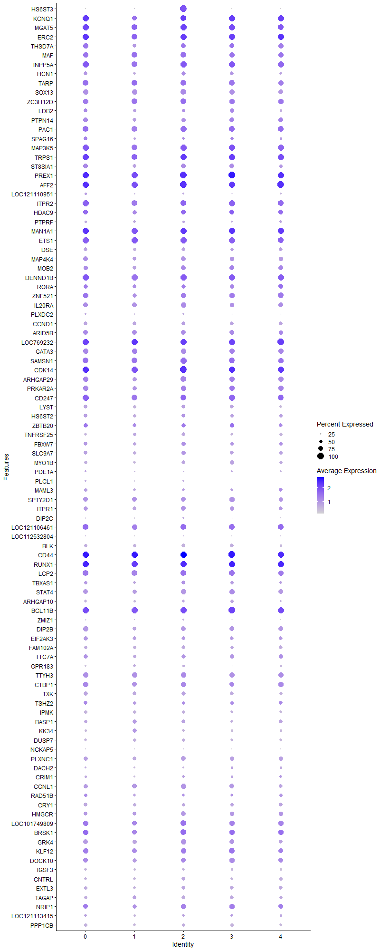
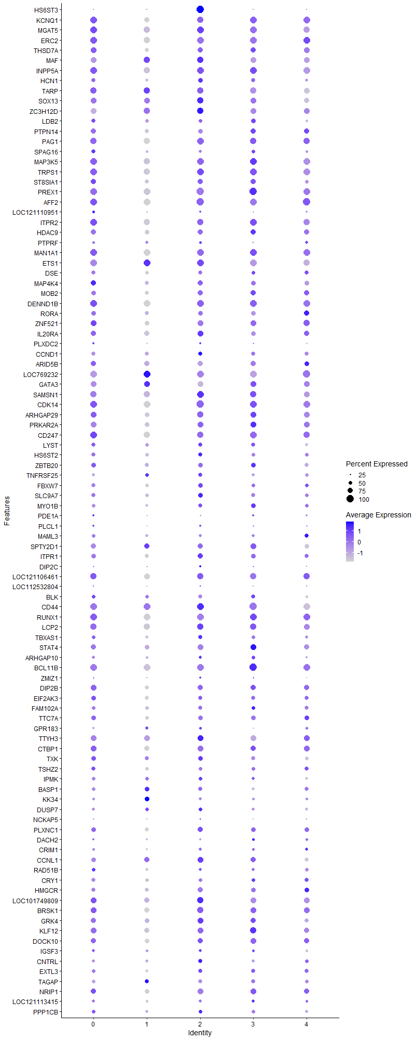
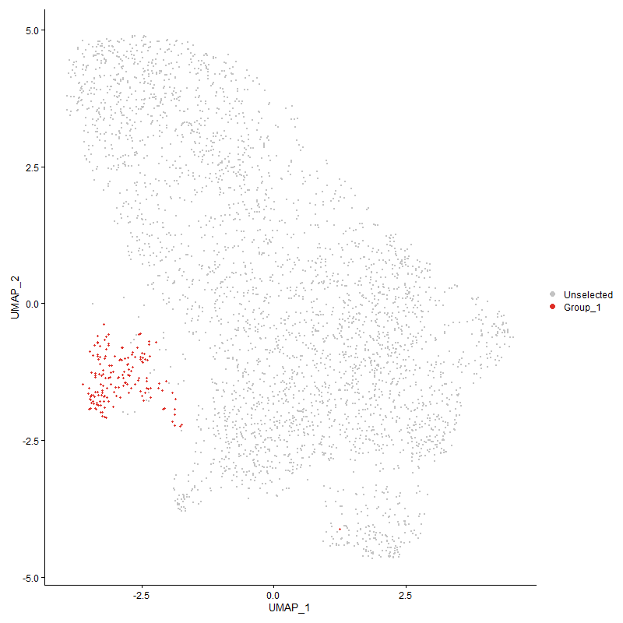
 | p_val | avg_log2FC | pct.1 | pct.2 | p_val_adj | cluster | gene
HS6ST3 | 0 | 2.4768508301 | 1 | 0.087 | 0 | 2 | HS6ST3
KCNQ12 | 5.4835962972E-125 | 2.0584680435 | 0.899 | 0.184 | 8.3739999054E-121 | 2 | KCNQ1
MGAT52 | 6.3514633521E-57 | 1.5033013922 | 0.975 | 0.632 | 9.699319685E-53 | 2 | MGAT5
ERC22 | 4.581993984E-69 | 1.4856882233 | 0.975 | 0.383 | 6.9971630129E-65 | 2 | ERC2
THSD7A2 | 6.691783783E-82 | 1.4595848904 | 0.748 | 0.18 | 1.0219023015E-77 | 2 | THSD7A
MAF2 | 2.7684294003E-111 | 1.4542197489 | 0.925 | 0.206 | 4.2276685372E-107 | 2 | MAF
INPP5A2 | 3.1730629628E-60 | 1.3898190494 | 0.975 | 0.502 | 4.8455844506E-56 | 2 | INPP5A
HCN12 | 1.7627034143E-124 | 1.3308583053 | 0.698 | 0.106 | 2.691824384E-120 | 2 | HCN1
TARP2 | 2.7525797541E-74 | 1.2853001931 | 0.912 | 0.282 | 4.2034645425E-70 | 2 | TARP
SOX132 | 6.4284117478E-130 | 1.2502985523 | 0.887 | 0.165 | 9.8168275801E-126 | 2 | SOX13
ZC3H12D2 | 1.8810436468E-47 | 1.2386390189 | 0.874 | 0.404 | 2.8725417531E-43 | 2 | ZC3H12D
LDB22 | 1.2220901617E-57 | 1.1430129207 | 0.553 | 0.129 | 1.866253886E-53 | 2 | LDB2
PTPN142 | 1.9052233385E-80 | 1.1371364967 | 0.686 | 0.147 | 2.9094665602E-76 | 2 | PTPN14
PAG12 | 3.9244091695E-44 | 1.057427316 | 0.931 | 0.507 | 5.9929652428E-40 | 2 | PAG1
SPAG162 | 5.7975912711E-54 | 1.0574249807 | 0.472 | 0.098 | 8.8535016301E-50 | 2 | SPAG16
MAP3K52 | 5.4540569148E-39 | 1.0205734777 | 0.962 | 0.648 | 8.3288903146E-35 | 2 | MAP3K5
TRPS12 | 3.297631608E-30 | 0.99656584545 | 0.95 | 0.735 | 5.0358132285E-26 | 2 | TRPS1
ST8SIA12 | 2.9178212591E-43 | 0.9892280024 | 0.723 | 0.269 | 4.4558048448E-39 | 2 | ST8SIA1
PREX12 | 1.6719848175E-37 | 0.93852292276 | 1 | 0.887 | 2.5532880148E-33 | 2 | PREX1
AFF22 | 1.0710328648E-37 | 0.9021134105 | 1 | 0.863 | 1.6355742879E-33 | 2 | AFF2
LOC1211109512 | 5.628564926E-46 | 0.89138008232 | 0.333 | 0.06 | 8.5953814984E-42 | 2 | LOC121110951
ITPR22 | 3.5545668303E-28 | 0.88672363213 | 0.906 | 0.685 | 5.4281790065E-24 | 2 | ITPR2
HDAC91 | 3.1057498328E-22 | 0.87073075387 | 0.761 | 0.388 | 4.7427905697E-18 | 2 | HDAC9
PTPRF2 | 5.3393380746E-42 | 0.86730716871 | 0.384 | 0.083 | 8.1537031737E-38 | 2 | PTPRF
MAN1A12 | 1.6084463267E-32 | 0.86366897107 | 0.987 | 0.881 | 2.4562583854E-28 | 2 | MAN1A1
ETS12 | 3.2173083177E-31 | 0.84645443019 | 0.962 | 0.72 | 4.9131515319E-27 | 2 | ETS1
DSE2 | 6.8761225959E-56 | 0.84173093619 | 0.585 | 0.143 | 1.0500526816E-51 | 2 | DSE
MAP4K42 | 3.12850358E-36 | 0.83745694657 | 0.717 | 0.277 | 4.777537817E-32 | 2 | MAP4K4
MOB22 | 3.8351519032E-25 | 0.8316008207 | 0.723 | 0.395 | 5.8566604714E-21 | 2 | MOB2
DENND1B2 | 9.6038845087E-32 | 0.81973545776 | 0.975 | 0.799 | 1.4666092033E-27 | 2 | DENND1B
RORA2 | 4.5580265157E-18 | 0.81603497488 | 0.673 | 0.366 | 6.9605622921E-14 | 2 | RORA
ZNF5212 | 7.2115119499E-33 | 0.8061874401 | 0.811 | 0.354 | 1.1012699899E-28 | 2 | ZNF521
IL20RA2 | 2.204071849E-31 | 0.80456179265 | 0.805 | 0.36 | 3.3658381206E-27 | 2 | IL20RA
PLXDC22 | 3.0756536863E-33 | 0.79751567544 | 0.27 | 0.053 | 4.6968307444E-29 | 2 | PLXDC2
CCND12 | 3.2804314791E-33 | 0.79184118201 | 0.616 | 0.233 | 5.0095469118E-29 | 2 | CCND1
ARID5B2 | 1.1988185195E-22 | 0.79179600815 | 0.717 | 0.373 | 1.8307157611E-18 | 2 | ARID5B
LOC7692322 | 6.0922947298E-28 | 0.78537885925 | 0.975 | 0.765 | 9.3035432819E-24 | 2 | LOC769232
GATA32 | 3.2354424097E-35 | 0.78478905871 | 0.811 | 0.354 | 4.9408441038E-31 | 2 | GATA3
SAMSN12 | 2.0513709867E-27 | 0.78246362562 | 0.943 | 0.613 | 3.1326486339E-23 | 2 | SAMSN1
CDK141 | 3.8901404917E-28 | 0.77897915523 | 1 | 0.774 | 5.9406335449E-24 | 2 | CDK14
ARHGAP292 | 4.4784053751E-31 | 0.77830590275 | 0.862 | 0.421 | 6.8389728484E-27 | 2 | ARHGAP29
PRKAR2A2 | 1.7532845144E-22 | 0.77437711417 | 0.811 | 0.479 | 2.677440782E-18 | 2 | PRKAR2A
CD2472 | 6.7228838128E-25 | 0.74711694519 | 0.912 | 0.557 | 1.0266515871E-20 | 2 | CD247
LYST2 | 3.7268835896E-29 | 0.74678009341 | 0.635 | 0.275 | 5.6913239296E-25 | 2 | LYST
HS6ST21 | 4.5445037424E-14 | 0.72555911209 | 0.566 | 0.337 | 6.939911665E-10 | 2 | HS6ST2
ZBTB202 | 8.2026604747E-15 | 0.72506502574 | 0.673 | 0.401 | 1.2526282811E-10 | 2 | ZBTB20
TNFRSF252 | 2.343929848E-41 | 0.72432740437 | 0.566 | 0.172 | 3.5794152708E-37 | 2 | TNFRSF25
FBXW72 | 1.5349486356E-18 | 0.71791646311 | 0.654 | 0.361 | 2.3440200615E-14 | 2 | FBXW7
SLC9A72 | 1.0179884754E-19 | 0.71351457524 | 0.66 | 0.352 | 1.5545702008E-15 | 2 | SLC9A7
MYO1B2 | 5.8465393957E-32 | 0.69708762864 | 0.604 | 0.221 | 8.9282503111E-28 | 2 | MYO1B
PDE1A2 | 4.3297345199E-24 | 0.68956726477 | 0.258 | 0.062 | 6.6119375854E-20 | 2 | PDE1A
PLCL11 | 2.2360593289E-17 | 0.68875913143 | 0.302 | 0.102 | 3.4146862012E-13 | 2 | PLCL1
MAML32 | 1.5607595646E-14 | 0.67389660385 | 0.459 | 0.219 | 2.3834359311E-10 | 2 | MAML3
SPTY2D12 | 2.6068718952E-19 | 0.66299769022 | 0.748 | 0.445 | 3.9809540712E-15 | 2 | SPTY2D1
ITPR12 | 4.3288571228E-21 | 0.65980117176 | 0.73 | 0.366 | 6.6105977123E-17 | 2 | ITPR1
DIP2C1 | 3.0341061069E-14 | 0.65555732933 | 0.327 | 0.131 | 4.6333834359E-10 | 2 | DIP2C
LOC1211064611 | 6.786155033E-16 | 0.65309314092 | 0.899 | 0.62 | 1.0363137351E-11 | 2 | LOC121106461
LOC1125328041 | 7.4987358605E-09 | 0.65221355388 | 0.151 | 0.052 | 0.00011451319533 | 2 | LOC112532804
BLK2 | 2.8394168048E-60 | 0.63420264732 | 0.591 | 0.135 | 4.3360734027E-56 | 2 | BLK
CD442 | 6.9953003304E-11 | 0.62546327477 | 0.981 | 0.972 | 1.0682523135E-06 | 2 | CD44
RUNX12 | 6.4280033248E-21 | 0.6208677793 | 0.994 | 0.922 | 9.8162038774E-17 | 2 | RUNX1
LCP22 | 6.9651351906E-20 | 0.61788604099 | 0.912 | 0.661 | 1.063645795E-15 | 2 | LCP2
TBXAS11 | 9.3974268785E-15 | 0.61703061407 | 0.579 | 0.305 | 1.4350810586E-10 | 2 | TBXAS1
STAT42 | 1.3368713271E-26 | 0.61702464902 | 0.799 | 0.389 | 2.0415362036E-22 | 2 | STAT4
ARHGAP101 | 6.0545683316E-16 | 0.6036603526 | 0.478 | 0.23 | 9.2459312991E-12 | 2 | ARHGAP10
BCL11B2 | 7.0370783777E-19 | 0.60134561575 | 0.987 | 0.625 | 1.0746322391E-14 | 2 | BCL11B
ZMIZ11 | 2.8868799116E-07 | 0.59393589046 | 0.264 | 0.136 | 0.004408554313 | 2 | ZMIZ1
DIP2B2 | 9.6746158927E-21 | 0.5937613837 | 0.767 | 0.446 | 1.477410593E-16 | 2 | DIP2B
EIF2AK32 | 4.3930480291E-10 | 0.58968994538 | 0.597 | 0.395 | 6.7086236452E-06 | 2 | EIF2AK3
FAM102A2 | 5.763858868E-22 | 0.58889172411 | 0.591 | 0.264 | 8.8019888773E-18 | 2 | FAM102A
TTC7A1 | 6.7478465232E-14 | 0.58882873682 | 0.654 | 0.387 | 1.0304636426E-09 | 2 | TTC7A
GPR1832 | 1.518571987E-12 | 0.58346915536 | 0.377 | 0.171 | 2.3190112813E-08 | 2 | GPR183
TTYH32 | 1.6631021084E-16 | 0.57744332772 | 0.836 | 0.59 | 2.5397232298E-12 | 2 | TTYH3
CTBP12 | 5.087587383E-14 | 0.57012667577 | 0.799 | 0.554 | 7.7692546926E-10 | 2 | CTBP1
TXK2 | 6.8149772722E-19 | 0.5671069137 | 0.635 | 0.33 | 1.0407151792E-14 | 2 | TXK
TSHZ22 | 2.8355845274E-10 | 0.56367555769 | 0.516 | 0.296 | 4.3302211317E-06 | 2 | TSHZ2
IPMK2 | 6.7063604775E-22 | 0.55825870642 | 0.497 | 0.208 | 1.0241283085E-17 | 2 | IPMK
BASP12 | 3.2405698761E-16 | 0.55750981558 | 0.572 | 0.291 | 4.9486742578E-12 | 2 | BASP1
KK342 | 5.4895209296E-44 | 0.55612801883 | 0.459 | 0.106 | 8.3830474116E-40 | 2 | KK34
DUSP72 | 1.1439158831E-20 | 0.55373724904 | 0.535 | 0.241 | 1.7468739451E-16 | 2 | DUSP7
NCKAP52 | 6.8539046186E-21 | 0.54757757042 | 0.182 | 0.038 | 1.0466597743E-16 | 2 | NCKAP5
PLXNC12 | 5.2941499134E-20 | 0.54641384375 | 0.711 | 0.363 | 8.0846963328E-16 | 2 | PLXNC1
DACH22 | 2.6314458642E-19 | 0.54163804887 | 0.321 | 0.102 | 4.0184809792E-15 | 2 | DACH2
CRIM11 | 1.3321253878E-07 | 0.54090374313 | 0.415 | 0.253 | 0.0020342886796 | 2 | CRIM1
CCNL12 | 1.999910011E-15 | 0.54032355956 | 0.792 | 0.547 | 3.0540625778E-11 | 2 | CCNL1
RAD51B1 | 0.00017385387374 | 0.53890993951 | 0.478 | 0.362 | 1 | 2 | RAD51B
CRY12 | 1.3819818669E-15 | 0.53887677309 | 0.535 | 0.269 | 2.1104245089E-11 | 2 | CRY1
HMGCR2 | 1.7736667723E-16 | 0.53725199987 | 0.717 | 0.416 | 2.708566528E-12 | 2 | HMGCR
LOC1017498091 | 8.6957146615E-16 | 0.53546861127 | 0.887 | 0.554 | 1.327922586E-11 | 2 | LOC101749809
BRSK11 | 2.4525782868E-14 | 0.53306227361 | 0.862 | 0.564 | 3.7453323018E-10 | 2 | BRSK1
GRK41 | 4.0047752088E-15 | 0.52662019072 | 0.811 | 0.532 | 6.1156922214E-11 | 2 | GRK4
KLF121 | 5.5623191039E-14 | 0.52585409226 | 0.83 | 0.553 | 8.4942175036E-10 | 2 | KLF12
DOCK101 | 1.7773549244E-11 | 0.52573093236 | 0.774 | 0.586 | 2.7141987051E-07 | 2 | DOCK10
IGSF32 | 9.7092343198E-22 | 0.52470769973 | 0.421 | 0.151 | 1.482697173E-17 | 2 | IGSF3
CNTRL1 | 1.3498234883E-13 | 0.52089153449 | 0.56 | 0.318 | 2.0613154489E-09 | 2 | CNTRL
EXTL32 | 2.82095257E-15 | 0.51811077237 | 0.579 | 0.311 | 4.3078766696E-11 | 2 | EXTL3
TAGAP2 | 6.2571969712E-21 | 0.51478518286 | 0.579 | 0.258 | 9.5553654947E-17 | 2 | TAGAP
NRIP11 | 1.611118052E-13 | 0.51344593289 | 0.805 | 0.51 | 2.4603383771E-09 | 2 | NRIP1
LOC1211134151 | 1.291872546E-09 | 0.51065989344 | 0.447 | 0.248 | 1.972818565E-05 | 2 | LOC121113415
PPP1CB2 | 1.7155304084E-15 | 0.50383056485 | 0.553 | 0.297 | 2.6197864867E-11 | 2 | PPP1CB
FNBP12 | 4.0399713824E-15 | 0.49877354187 | 0.956 | 0.781 | 6.1694402981E-11 | 2 | FNBP1
LEF12 | 6.8005358607E-16 | 0.49598835296 | 0.635 | 0.335 | 1.0385098313E-11 | 2 | LEF1
ST6GAL12 | 5.2199308923E-10 | 0.49165622054 | 0.792 | 0.615 | 7.9713564657E-06 | 2 | ST6GAL1
MLLT101 | 2.087621558E-07 | 0.49020277327 | 0.698 | 0.523 | 0.0031880068812 | 2 | MLLT10
GRID1 | 5.2810731604E-12 | 0.48321521558 | 0.132 | 0.033 | 8.0647268232E-08 | 2 | GRID1
AKT31 | 4.2801810771E-30 | 0.47435222402 | 0.208 | 0.036 | 6.5362645229E-26 | 2 | AKT3
SSBP32 | 2.7038273519E-15 | 0.47120010777 | 0.623 | 0.346 | 4.1290147491E-11 | 2 | SSBP3
TNFSF82 | 2.4133424926E-18 | 0.46750046031 | 0.428 | 0.172 | 3.6854153204E-14 | 2 | TNFSF8
NFATC22 | 2.5704035685E-16 | 0.46569356277 | 0.547 | 0.275 | 3.9252632894E-12 | 2 | NFATC2
TNFRSF92 | 4.9239712687E-28 | 0.46414736112 | 0.396 | 0.116 | 7.5193965244E-24 | 2 | TNFRSF9
MACROD21 | 0.00058837157475 | 0.4625947336 | 0.535 | 0.406 | 1 | 2 | MACROD2
PTPRC1 | 1.0340510193E-13 | 0.45984737666 | 1 | 0.948 | 1.5790993115E-09 | 2 | PTPRC
SLK2 | 1.1181527606E-07 | 0.4442935195 | 0.83 | 0.685 | 0.0017075310806 | 2 | SLK
FAM172A1 | 3.1543982046E-07 | 0.44418489791 | 0.648 | 0.484 | 0.0048170814983 | 2 | FAM172A
KAT6B1 | 2.4255118209E-06 | 0.44180453487 | 0.509 | 0.358 | 0.037039991016 | 2 | KAT6B
CDK191 | 3.9599122439E-08 | 0.43871876752 | 0.503 | 0.325 | 0.00060471819877 | 2 | CDK19
ANKRD281 | 4.3322844503E-08 | 0.43862567088 | 0.415 | 0.241 | 0.00066158315841 | 2 | ANKRD28
ERBIN1 | 2.0327312104E-08 | 0.43539738491 | 0.792 | 0.626 | 0.00031041838314 | 2 | ERBIN
PHF21A1 | 1.667918293E-07 | 0.43394563839 | 0.66 | 0.476 | 0.0025470780253 | 2 | PHF21A
CCDC88A2 | 5.9041650352E-14 | 0.43220554248 | 0.535 | 0.274 | 9.0162504252E-10 | 2 | CCDC88A
SOBP2 | 1.1125158375E-09 | 0.4304277495 | 0.17 | 0.058 | 1.6989229355E-05 | 2 | SOBP
XYLT12 | 5.9624372441E-08 | 0.43010157344 | 0.616 | 0.421 | 0.00091052379155 | 2 | XYLT1
CDC731 | 6.7346147359E-10 | 0.42577232671 | 0.616 | 0.396 | 1.0284430163E-05 | 2 | CDC73
ARHGEF32 | 1.845104293E-10 | 0.42301338018 | 0.893 | 0.649 | 2.8176587658E-06 | 2 | ARHGEF3
SLC38A61 | 3.5386956746E-12 | 0.41872492706 | 0.535 | 0.295 | 5.4039421647E-08 | 2 | SLC38A6
PLAG11 | 2.4896622357E-17 | 0.41510056177 | 0.258 | 0.078 | 3.8019632001E-13 | 2 | PLAG1
LOC7762752 | 2.0677783664E-12 | 0.41152481325 | 0.289 | 0.111 | 3.1577043434E-08 | 2 | LOC776275
SLC5A11 | 6.5960281053E-10 | 0.4087239555 | 0.365 | 0.184 | 1.007279452E-05 | 2 | SLC5A1
IMMP2L | 0.001619288163 | 0.40624272316 | 0.377 | 0.281 | 1 | 2 | IMMP2L
HTT1 | 1.4749694021E-09 | 0.40252579845 | 0.541 | 0.329 | 2.252425774E-05 | 2 | HTT
SYTL21 | 1.0917993185E-31 | 0.4009985127 | 0.321 | 0.073 | 1.6672867392E-27 | 2 | SYTL2
LCLAT12 | 3.9807405673E-10 | 0.39755415984 | 0.597 | 0.358 | 6.0789889203E-06 | 2 | LCLAT1
STXBP51 | 5.1180115218E-05 | 0.39397454932 | 0.711 | 0.582 | 0.78157153949 | 2 | STXBP5
PIK3C2A2 | 5.0367571825E-08 | 0.39107725567 | 0.421 | 0.246 | 0.00076916318934 | 2 | PIK3C2A
INPP4B1 | 1.5738045327E-07 | 0.39056498386 | 0.585 | 0.372 | 0.0024033569019 | 2 | INPP4B
TMEM2451 | 3.1375726858E-06 | 0.38912582479 | 0.465 | 0.312 | 0.047913872485 | 2 | TMEM245
FAR21 | 7.3613276792E-06 | 0.3858245779 | 0.453 | 0.305 | 0.11241483499 | 2 | FAR2
RXRA2 | 2.2889501174E-13 | 0.38491132614 | 0.447 | 0.213 | 3.4954557242E-09 | 2 | RXRA
SMAP11 | 8.0346741543E-08 | 0.38046034842 | 0.535 | 0.356 | 0.0012269750901 | 2 | SMAP1
RABGAP1L1 | 3.6617026881E-09 | 0.37998069175 | 0.704 | 0.517 | 5.5917861749E-05 | 2 | RABGAP1L
NRK1 | 6.3763523329E-10 | 0.37962537077 | 0.962 | 0.851 | 9.7373276476E-06 | 2 | NRK
TNFSF112 | 4.3869540441E-08 | 0.37896061939 | 0.314 | 0.159 | 0.00066993175207 | 2 | TNFSF11
GNAL1 | 6.3417223179E-05 | 0.37861051794 | 0.384 | 0.255 | 0.96844441517 | 2 | GNAL
CDC42SE21 | 0.00038207068886 | 0.37620706462 | 0.503 | 0.384 | 1 | 2 | CDC42SE2
SCAPER | 1.8284298956E-05 | 0.37605111435 | 0.44 | 0.294 | 0.27921952936 | 2 | SCAPER
PSIP12 | 8.0037294637E-10 | 0.37365833705 | 0.459 | 0.264 | 1.2222495264E-05 | 2 | PSIP1
PDPK12 | 5.1982127036E-08 | 0.37124423287 | 0.711 | 0.496 | 0.00079381906196 | 2 | PDPK1
FAM53A1 | 1.6165256754E-09 | 0.37120305679 | 0.66 | 0.432 | 2.4685963589E-05 | 2 | FAM53A
CSRNP11 | 9.8466263372E-08 | 0.37092132677 | 0.377 | 0.219 | 0.001503678308 | 2 | CSRNP1
ZBTB462 | 1.9151346107E-15 | 0.36950338488 | 0.434 | 0.187 | 2.924602064E-11 | 2 | ZBTB46
NHS2 | 7.8946417072E-10 | 0.36836259084 | 0.126 | 0.035 | 1.2055907351E-05 | 2 | NHS
SESN31 | 3.3956341801E-10 | 0.3677692283 | 0.396 | 0.2 | 5.1854729564E-06 | 2 | SESN3
NEDD41 | 4.7553786005E-11 | 0.36544947822 | 0.541 | 0.301 | 7.2619386609E-07 | 2 | NEDD4
FAM53B1 | 3.6106264503E-12 | 0.3651806971 | 0.453 | 0.229 | 5.5137876522E-08 | 2 | FAM53B
RB11 | 5.5844423997E-08 | 0.36447562143 | 0.44 | 0.271 | 0.00085280019886 | 2 | RB1
ANKRD441 | 3.6892199598E-08 | 0.36366300849 | 0.925 | 0.853 | 0.00056338078006 | 2 | ANKRD44
PFKP1 | 5.6805242858E-11 | 0.36164399693 | 0.591 | 0.355 | 8.6747286368E-07 | 2 | PFKP
NCOA31 | 1.1327834383E-10 | 0.3602565612 | 0.711 | 0.471 | 1.7298735887E-06 | 2 | NCOA3
EPB41L21 | 7.2717365899E-05 | 0.3561935166 | 0.509 | 0.374 | 1 | 2 | EPB41L2
LOC1244169501 | 5.062515722E-21 | 0.35573713491 | 0.233 | 0.057 | 7.7309677591E-17 | 2 | LOC124416950
ATF31 | 0.00057131873447 | 0.35542333501 | 0.119 | 0.058 | 1 | 2 | ATF3
DISC1 | 0.056254228015 | 0.35279496065 | 0.333 | 0.288 | 1 | 2 | DISC1
CCSER21 | 4.3861433456E-08 | 0.35106902311 | 0.409 | 0.237 | 0.00066980795031 | 2 | CCSER2
NFKBIA1 | 2.7034622088E-06 | 0.35088897397 | 0.799 | 0.664 | 0.041284571391 | 2 | NFKBIA
JUND1 | 1.1751206784E-05 | 0.35061764151 | 0.717 | 0.564 | 0.1794526788 | 2 | JUND
BEND22 | 2.5846020357E-29 | 0.3504899686 | 0.314 | 0.075 | 3.9469457687E-25 | 2 | BEND2
GALNT7 | 8.5406707743E-09 | 0.35045494498 | 0.44 | 0.246 | 0.00013042458339 | 2 | GALNT7
CDYL | 0.00072891069024 | 0.34872409909 | 0.27 | 0.178 | 1 | 2 | CDYL
LOC1125320972 | 0.0029086746222 | 0.34755043602 | 0.201 | 0.127 | 1 | 2 | LOC112532097
DTNB1 | 1.922375069E-05 | 0.34640071552 | 0.365 | 0.235 | 0.29356589679 | 2 | DTNB
VIPR11 | 1.5925742E-25 | 0.34298337097 | 0.176 | 0.031 | 2.4320200609E-21 | 2 | VIPR1
KLF13 | 6.0640543721E-08 | 0.34114832142 | 0.761 | 0.585 | 0.00092604174317 | 2 | KLF13
LOC1070543422 | 2.0621494522E-10 | 0.34110227356 | 0.365 | 0.177 | 3.1491084285E-06 | 2 | LOC107054342
PLCG12 | 1.0785511608E-11 | 0.34092682706 | 0.497 | 0.26 | 1.6470554777E-07 | 2 | PLCG1
KCNQ5 | 1.1320562159E-06 | 0.34024042474 | 0.824 | 0.609 | 0.017287630474 | 2 | KCNQ5
TTC3 | 4.3662408341E-09 | 0.3390272566 | 0.566 | 0.352 | 6.6676863778E-05 | 2 | TTC3
ADD31 | 0.00074120962214 | 0.3341028676 | 0.667 | 0.564 | 1 | 2 | ADD3
ZMYND111 | 6.5068867812E-10 | 0.33212629548 | 0.799 | 0.547 | 9.9366668035E-06 | 2 | ZMYND11
TNFAIP81 | 0.00084442002021 | 0.32997033811 | 0.409 | 0.315 | 1 | 2 | TNFAIP8
CTDSPL1 | 1.4419590991E-08 | 0.32673205369 | 0.629 | 0.398 | 0.00022020157402 | 2 | CTDSPL
PRR5L1 | 2.117785941E-15 | 0.32539758566 | 0.27 | 0.09 | 3.2340709104E-11 | 2 | PRR5L
TSPAN41 | 1.1358133785E-07 | 0.32370667504 | 0.906 | 0.784 | 0.0017345006104 | 2 | TSPAN4
ESYT2 | 0.00036804117664 | 0.32318563903 | 0.56 | 0.426 | 1 | 2 | ESYT2
ATRN1 | 6.3112632554E-07 | 0.32249216468 | 0.673 | 0.467 | 0.0096379301173 | 2 | ATRN
YAP1 | 6.4973265144E-09 | 0.32220469166 | 0.189 | 0.071 | 9.9220673201E-05 | 2 | YAP1
MAP3K71 | 1.5111399591E-08 | 0.3212063405 | 0.61 | 0.404 | 0.00023076618315 | 2 | MAP3K7
LOC101749460 | 4.902433158E-21 | 0.31908748558 | 0.182 | 0.038 | 7.4865056756E-17 | 2 | LOC101749460
ZNF7041 | 2.4996876968E-06 | 0.31907670175 | 0.516 | 0.343 | 0.038172730817 | 2 | ZNF704
KNOP11 | 3.5864592366E-12 | 0.31905109049 | 0.245 | 0.09 | 5.4768819002E-08 | 2 | KNOP1
UBE2F2 | 1.0326528665E-09 | 0.31872842758 | 0.352 | 0.174 | 1.5769641925E-05 | 2 | UBE2F
CYFIP11 | 2.6397582482E-08 | 0.31620623281 | 0.377 | 0.204 | 0.00040311748208 | 2 | CYFIP1
POC1B1 | 6.0677148561E-08 | 0.3147792749 | 0.252 | 0.116 | 0.00092660073567 | 2 | POC1B
ADAM331 | 7.8365040192E-11 | 0.31305521916 | 0.497 | 0.275 | 1.1967125288E-06 | 2 | ADAM33
SNRK | 8.3552007508E-06 | 0.31265233067 | 0.509 | 0.347 | 0.12759227067 | 2 | SNRK
C1orf1861 | 2.2214438084E-24 | 0.31143607214 | 0.226 | 0.049 | 3.3923668399E-20 | 2 | C1orf186
SELP2 | 9.5874168864E-09 | 0.31127592799 | 0.679 | 0.448 | 0.00014640944327 | 2 | SELP
ARL151 | 0.064692313084 | 0.31090700272 | 0.34 | 0.293 | 1 | 2 | ARL15
IRF11 | 0.00012314111779 | 0.30917845329 | 0.384 | 0.262 | 1 | 2 | IRF1
ZAP702 | 3.4793241158E-21 | 0.30853266047 | 0.321 | 0.097 | 5.3132758572E-17 | 2 | ZAP70
IL9R2 | 2.7235019634E-32 | 0.3070819866 | 0.258 | 0.049 | 4.1590598483E-28 | 2 | IL9R
KIAA15491 | 0.00035347345921 | 0.30695927514 | 0.27 | 0.17 | 1 | 2 | KIAA1549
UBR51 | 0.0004221175202 | 0.30667221636 | 0.553 | 0.447 | 1 | 2 | UBR5
LOC100859602 | 0.00010119598676 | 0.30656298992 | 0.824 | 0.776 | 1 | 2 | LOC100859602
LBH2 | 2.2867672463E-11 | 0.30458701812 | 0.333 | 0.146 | 3.4921222618E-07 | 2 | LBH
KLF92 | 1.2146968783E-20 | 0.30453584693 | 0.308 | 0.091 | 1.8549636029E-16 | 2 | KLF9
BEND32 | 4.4259202358E-07 | 0.30451267567 | 0.39 | 0.224 | 0.006758822792 | 2 | BEND3
GALNT11 | 6.0129937447E-06 | 0.30441182362 | 0.478 | 0.323 | 0.091824427476 | 2 | GALNT1
ZNF4621 | 4.6846972579E-17 | 0.30362086486 | 0.208 | 0.055 | 7.1540011825E-13 | 2 | ZNF462
GPC12 | 1.5406748997E-16 | 0.30286202212 | 0.164 | 0.037 | 2.3527646393E-12 | 2 | GPC1
GARRE11 | 1.403058227E-09 | 0.30194988723 | 0.396 | 0.203 | 2.1426102185E-05 | 2 | GARRE1
ZC3H3 | 0.018268712208 | 0.30093820898 | 0.403 | 0.332 | 1 | 2 | ZC3H3
KCNK7 | 9.8987888868E-06 | 0.29929703674 | 0.371 | 0.234 | 0.15116440509 | 2 | KCNK7
TPK11 | 0.0051181688853 | 0.29740958116 | 0.358 | 0.276 | 1 | 2 | TPK1
RGS9 | 7.2441492992E-10 | 0.29588845122 | 0.528 | 0.3 | 1.1062540395E-05 | 2 | RGS9
SLC9A91 | 6.6130170938E-05 | 0.29296640308 | 0.761 | 0.634 | 1 | 2 | SLC9A9
C12orf751 | 1.9691179947E-06 | 0.29137341274 | 0.289 | 0.163 | 0.030070400897 | 2 | C12orf75
FLI1 | 1.5216954566E-06 | 0.28851426128 | 0.597 | 0.412 | 0.023237811318 | 2 | FLI1
HLCS1 | 0.0055934658864 | 0.28847559498 | 0.465 | 0.375 | 1 | 2 | HLCS
PPP1R9A2 | 3.7211892825E-08 | 0.28812180396 | 0.189 | 0.075 | 0.00056826281533 | 2 | PPP1R9A
CRTC12 | 8.3932219915E-11 | 0.28313482625 | 0.472 | 0.247 | 1.2817289303E-06 | 2 | CRTC1
JARID2 | 5.8451768866E-05 | 0.2805910488 | 0.843 | 0.793 | 0.89261696236 | 2 | JARID2
FAM171A12 | 3.1811676462E-19 | 0.2798274673 | 0.176 | 0.038 | 4.8579611125E-15 | 2 | FAM171A1
ACSL31 | 2.6897213299E-07 | 0.27843303229 | 0.415 | 0.244 | 0.0041074734429 | 2 | ACSL3
SLC2A13 | 1.2944471126E-05 | 0.27762937753 | 0.264 | 0.143 | 0.19767501857 | 2 | SLC2A13
SLCO3A11 | 1.2579109847E-06 | 0.27725886411 | 0.516 | 0.323 | 0.019209558647 | 2 | SLCO3A1
MAGI3 | 2.5034907961E-09 | 0.27674717589 | 0.39 | 0.195 | 3.8230807948E-05 | 2 | MAGI3
ZFP36L21 | 8.1165323416E-05 | 0.27450817959 | 0.572 | 0.444 | 1 | 2 | ZFP36L2
PHF14 | 0.0059434985545 | 0.27433934036 | 0.296 | 0.212 | 1 | 2 | PHF14
TRANK11 | 4.9501973162E-08 | 0.27216554043 | 0.453 | 0.264 | 0.00075594463216 | 2 | TRANK1
DNAJC102 | 9.627630057E-07 | 0.27155413181 | 0.214 | 0.102 | 0.01470235386 | 2 | DNAJC10
PTPN72 | 6.3598269451E-08 | 0.27111218284 | 0.346 | 0.185 | 0.00097120917278 | 2 | PTPN7
LCORL1 | 0.00036801058587 | 0.26912261316 | 0.484 | 0.346 | 1 | 2 | LCORL
LOC1008590721 | 5.4419339811E-05 | 0.26806290666 | 0.553 | 0.398 | 0.83103773825 | 2 | LOC100859072
ACTN11 | 4.776042263E-08 | 0.26787503622 | 0.723 | 0.513 | 0.00072934941399 | 2 | ACTN1
PTPRA | 0.00060866479522 | 0.26656705495 | 0.497 | 0.382 | 1 | 2 | PTPRA
NUCB2 | 4.5718503282E-07 | 0.26435263388 | 0.484 | 0.304 | 0.0069816726361 | 2 | NUCB2
LEMD3 | 3.8710079502E-05 | 0.26175499101 | 0.384 | 0.244 | 0.59114162408 | 2 | LEMD3
CELF21 | 1.6907515049E-05 | 0.26158067865 | 0.975 | 0.919 | 0.25819466231 | 2 | CELF2
PDZD8 | 1.4946697101E-07 | 0.26156853503 | 0.396 | 0.222 | 0.0022825101143 | 2 | PDZD8
RB1CC1 | 9.478686273E-05 | 0.2614957338 | 0.553 | 0.404 | 1 | 2 | RB1CC1
PRKCQ1 | 9.7148280665E-08 | 0.26127893878 | 0.642 | 0.407 | 0.001483551394 | 2 | PRKCQ
TRAPPC9 | 0.0052574974919 | 0.26083650426 | 0.522 | 0.42 | 1 | 2 | TRAPPC9
CPD | 3.8298112498E-13 | 0.26065734838 | 0.277 | 0.102 | 5.8485047596E-09 | 2 | CPD
PQLC11 | 6.629593031E-10 | 0.26062202096 | 0.264 | 0.11 | 1.0124051518E-05 | 2 | PQLC1
ASAP11 | 0.00064730373407 | 0.26001969981 | 0.535 | 0.43 | 1 | 2 | ASAP1
HERC21 | 0.00016812426364 | 0.25997381932 | 0.642 | 0.504 | 1 | 2 | HERC2
ATF7IP | 0.0050302639379 | 0.25962147003 | 0.484 | 0.417 | 1 | 2 | ATF7IP
LOC1244170891 | 1.7046367107E-10 | 0.25926485597 | 0.27 | 0.111 | 2.6031507209E-06 | 2 | LOC124417089
KCTD12B1 | 1.2989479917E-09 | 0.25879397538 | 0.327 | 0.154 | 1.9836234781E-05 | 2 | KCTD12B
DYRK1A | 0.00020684515413 | 0.25878554622 | 0.579 | 0.474 | 1 | 2 | DYRK1A
ELP4 | 0.37884295099 | 0.25616318152 | 0.113 | 0.097 | 1 | 2 | ELP4
RFC1 | 2.9577320434E-06 | 0.25611580265 | 0.358 | 0.215 | 0.045167526035 | 2 | RFC1
ZFP36L11 | 0.0064549392095 | 0.25587117061 | 0.818 | 0.799 | 1 | 2 | ZFP36L1
SUPT3H1 | 0.046784925974 | 0.25477419304 | 0.39 | 0.33 | 1 | 2 | SUPT3H
IER51 | 0.0014700091158 | 0.25464045881 | 0.421 | 0.316 | 1 | 2 | IER5
ANKRD171 | 4.7567221887E-06 | 0.25441521308 | 0.541 | 0.371 | 0.072639904543 | 2 | ANKRD17
LOC1017522501 | 0.00012913318098 | 0.2540968222 | 0.358 | 0.231 | 1 | 2 | LOC101752250
MTR | 7.0845519208E-09 | 0.25395353091 | 0.34 | 0.17 | 0.00010818819238 | 2 | MTR
JUN1 | 0.0045984809496 | 0.25328251202 | 0.39 | 0.306 | 1 | 2 | JUN
FTO1 | 0.0040990545667 | 0.25316535007 | 0.239 | 0.16 | 1 | 2 | FTO
FAM65B | 2.7010962646E-06 | 0.25277479916 | 0.792 | 0.584 | 0.041248441057 | 2 | FAM65B
TTC39B1 | 0.0027836438727 | 0.25194817786 | 0.377 | 0.276 | 1 | 2 | TTC39B
MAP3K41 | 0.00028518726114 | 0.25109007869 | 0.403 | 0.289 | 1 | 2 | MAP3K4
FYN1 | 0.00017414657585 | 0.25065367455 | 0.843 | 0.703 | 1 | 2 | FYN
VPS13C | 0.00083351285724 | 0.25055285741 | 0.333 | 0.229 | 1 | 2 | VPS13C

Cluster3
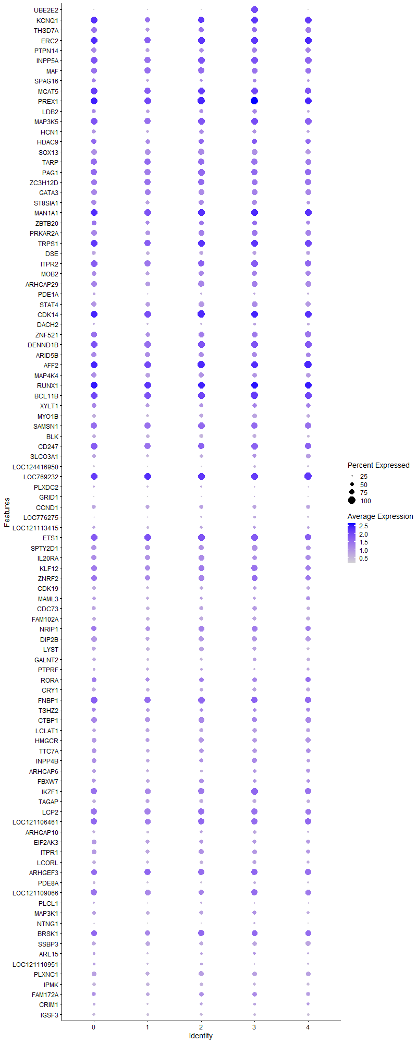
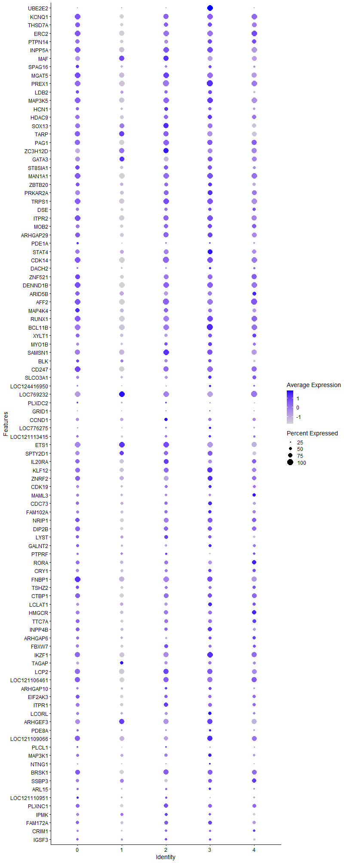
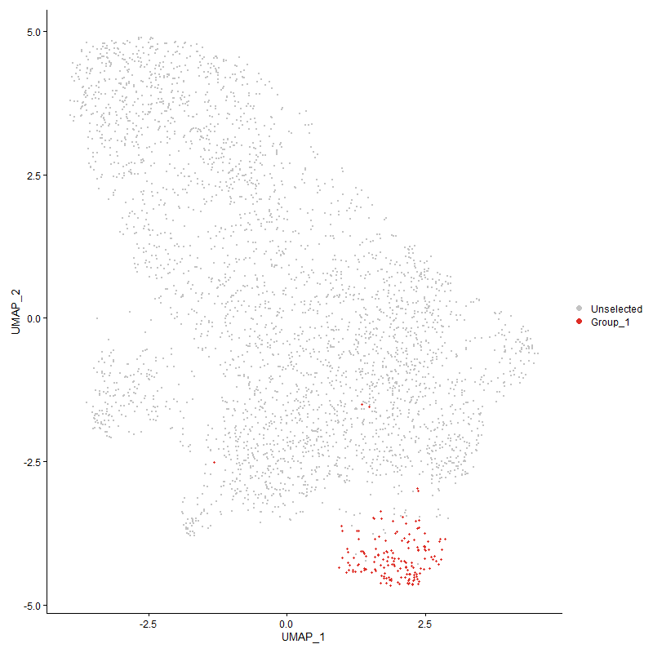
 | p_val | avg_log2FC | pct.1 | pct.2 | p_val_adj | cluster | gene
UBE2E2 | 1.2332567291E-287 | 2.5150890707 | 0.987 | 0.114 | 1.8833063511E-283 | 3 | UBE2E2
KCNQ13 | 6.2570669874E-145 | 2.0742157294 | 0.956 | 0.184 | 9.5551669964E-141 | 3 | KCNQ1
THSD7A3 | 3.8110257375E-82 | 1.5624595669 | 0.747 | 0.18 | 5.8198174038E-78 | 3 | THSD7A
ERC23 | 1.7180006206E-60 | 1.4653557578 | 0.956 | 0.383 | 2.6235587477E-56 | 3 | ERC2
PTPN143 | 3.0371468344E-106 | 1.4578479448 | 0.753 | 0.147 | 4.6380269308E-102 | 3 | PTPN14
INPP5A3 | 6.7243509967E-66 | 1.4171994901 | 0.987 | 0.502 | 1.0268756407E-61 | 3 | INPP5A
MAF3 | 8.5033783651E-78 | 1.380733323 | 0.797 | 0.207 | 1.2985509101E-73 | 3 | MAF
SPAG163 | 5.6563289535E-73 | 1.3475555444 | 0.525 | 0.097 | 8.637779945E-69 | 3 | SPAG16
MGAT53 | 4.6487197817E-44 | 1.2921718551 | 0.943 | 0.632 | 7.0990599787E-40 | 3 | MGAT5
PREX13 | 1.0695672686E-53 | 1.2781991099 | 1 | 0.887 | 1.6333361759E-49 | 3 | PREX1
LDB23 | 4.9617135926E-90 | 1.2706489147 | 0.671 | 0.128 | 7.5770328273E-86 | 3 | LDB2
MAP3K53 | 5.6802506367E-33 | 1.1969259628 | 0.937 | 0.649 | 8.6743107473E-29 | 3 | MAP3K5
HCN13 | 2.1251370162E-89 | 1.1804854208 | 0.608 | 0.107 | 3.2452967374E-85 | 3 | HCN1
HDAC92 | 4.3448067644E-31 | 1.1328113395 | 0.766 | 0.388 | 6.63495441E-27 | 3 | HDAC9
SOX133 | 4.6474164112E-104 | 1.1287201094 | 0.816 | 0.165 | 7.0970696016E-100 | 3 | SOX13
TARP3 | 5.0151169237E-62 | 1.1199517663 | 0.873 | 0.283 | 7.6585850542E-58 | 3 | TARP
PAG13 | 6.2231503332E-40 | 1.0718356343 | 0.899 | 0.508 | 9.5033728738E-36 | 3 | PAG1
ZC3H12D3 | 1.5806555757E-34 | 1.0705040374 | 0.816 | 0.405 | 2.4138191296E-30 | 3 | ZC3H12D
GATA33 | 3.0270286986E-44 | 1.0251216905 | 0.816 | 0.354 | 4.6225755256E-40 | 3 | GATA3
ST8SIA13 | 2.0758384542E-44 | 1.0068398133 | 0.715 | 0.269 | 3.1700129034E-40 | 3 | ST8SIA1
MAN1A13 | 1.7501875257E-38 | 0.98402644041 | 0.987 | 0.881 | 2.6727113705E-34 | 3 | MAN1A1
ZBTB203 | 4.8892712566E-17 | 0.97638127021 | 0.658 | 0.401 | 7.466406136E-13 | 3 | ZBTB20
PRKAR2A3 | 8.504159879E-30 | 0.96879919573 | 0.842 | 0.479 | 1.2986702551E-25 | 3 | PRKAR2A
TRPS13 | 2.0785042044E-31 | 0.96804633504 | 0.949 | 0.735 | 3.1740837706E-27 | 3 | TRPS1
DSE3 | 1.6694687753E-57 | 0.96228471901 | 0.582 | 0.143 | 2.5494457667E-53 | 3 | DSE
ITPR23 | 1.056842759E-32 | 0.94296512066 | 0.93 | 0.685 | 1.6139045772E-28 | 3 | ITPR2
MOB23 | 3.6380506458E-28 | 0.93851177038 | 0.747 | 0.395 | 5.5556671412E-24 | 3 | MOB2
ARHGAP293 | 4.4998937127E-34 | 0.91794647157 | 0.816 | 0.422 | 6.8717876886E-30 | 3 | ARHGAP29
PDE1A3 | 5.2420778437E-42 | 0.88143244156 | 0.323 | 0.061 | 8.0051770751E-38 | 3 | PDE1A
STAT43 | 1.1133314549E-33 | 0.87686202615 | 0.791 | 0.389 | 1.7001684648E-29 | 3 | STAT4
CDK142 | 6.4768812589E-30 | 0.87530350688 | 0.981 | 0.775 | 9.8908453704E-26 | 3 | CDK14
DACH23 | 4.6055672409E-30 | 0.8747905111 | 0.373 | 0.101 | 7.0331617336E-26 | 3 | DACH2
ZNF5213 | 3.4772136572E-32 | 0.87463832867 | 0.797 | 0.354 | 5.3100529758E-28 | 3 | ZNF521
DENND1B3 | 2.3451819373E-33 | 0.83953431667 | 1 | 0.799 | 3.5813273364E-29 | 3 | DENND1B
ARID5B3 | 4.1474978088E-24 | 0.83419257377 | 0.715 | 0.373 | 6.3336439038E-20 | 3 | ARID5B
AFF23 | 4.3392737901E-34 | 0.81480195653 | 0.987 | 0.864 | 6.6265050048E-30 | 3 | AFF2
MAP4K43 | 1.0533163381E-30 | 0.79834036957 | 0.665 | 0.278 | 1.6085193799E-26 | 3 | MAP4K4
RUNX13 | 9.4047223426E-29 | 0.78520493773 | 1 | 0.922 | 1.4361951489E-24 | 3 | RUNX1
BCL11B3 | 1.1679945183E-27 | 0.78220477915 | 1 | 0.625 | 1.7836444288E-23 | 3 | BCL11B
XYLT13 | 2.8129360555E-18 | 0.77396914635 | 0.709 | 0.42 | 4.2956346503E-14 | 3 | XYLT1
MYO1B3 | 7.5036404521E-38 | 0.7506183159 | 0.633 | 0.221 | 1.1458809334E-33 | 3 | MYO1B
SAMSN13 | 6.133962272E-19 | 0.74752275034 | 0.899 | 0.613 | 9.3671737856E-15 | 3 | SAMSN1
BLK3 | 8.7042737045E-63 | 0.73275132329 | 0.595 | 0.135 | 1.3292296374E-58 | 3 | BLK
CD2473 | 4.2828585588E-23 | 0.73265551329 | 0.93 | 0.557 | 6.5403533051E-19 | 3 | CD247
SLCO3A12 | 3.3859528843E-18 | 0.73247933735 | 0.62 | 0.322 | 5.1706886495E-14 | 3 | SLCO3A1
LOC1244169502 | 6.7999427188E-69 | 0.72884814165 | 0.38 | 0.056 | 1.0384192526E-64 | 3 | LOC124416950
LOC7692323 | 3.6442270551E-24 | 0.72700174708 | 0.987 | 0.765 | 5.5650991358E-20 | 3 | LOC769232
PLXDC23 | 3.3779046286E-14 | 0.71923893467 | 0.19 | 0.054 | 5.1583981583E-10 | 3 | PLXDC2
GRID11 | 1.2582789232E-08 | 0.71463234619 | 0.114 | 0.033 | 0.00019215177435 | 3 | GRID1
CCND13 | 8.0121749085E-30 | 0.71264064851 | 0.601 | 0.234 | 1.2235392303E-25 | 3 | CCND1
LOC7762753 | 5.4099779957E-21 | 0.69971962546 | 0.342 | 0.11 | 8.2615773973E-17 | 3 | LOC776275
LOC1211134152 | 1.7318938042E-08 | 0.69721602468 | 0.418 | 0.248 | 0.00026447750284 | 3 | LOC121113415
ETS13 | 5.9038664277E-27 | 0.69561100046 | 0.956 | 0.721 | 9.0157944217E-23 | 3 | ETS1
SPTY2D13 | 1.7156818987E-23 | 0.6905687558 | 0.791 | 0.445 | 2.6200178275E-19 | 3 | SPTY2D1
IL20RA3 | 1.1858850438E-20 | 0.68846013443 | 0.69 | 0.361 | 1.8109650504E-16 | 3 | IL20RA
KLF122 | 7.1322195898E-21 | 0.68596156608 | 0.861 | 0.553 | 1.0891612536E-16 | 3 | KLF12
ZNRF21 | 1.7196157677E-10 | 0.68404089707 | 0.835 | 0.668 | 2.6260252389E-06 | 3 | ZNRF2
CDK192 | 2.3743829976E-13 | 0.68008515549 | 0.544 | 0.325 | 3.6259202757E-09 | 3 | CDK19
MAML33 | 3.3260131708E-12 | 0.67932490173 | 0.418 | 0.219 | 5.0791547132E-08 | 3 | MAML3
CDC732 | 1.4549525228E-15 | 0.6553068814 | 0.652 | 0.396 | 2.2218579976E-11 | 3 | CDC73
FAM102A3 | 6.0619997516E-19 | 0.64870024646 | 0.557 | 0.264 | 9.2572798207E-15 | 3 | FAM102A
NRIP12 | 6.0491653891E-20 | 0.64811837679 | 0.848 | 0.51 | 9.2376804657E-16 | 3 | NRIP1
DIP2B3 | 1.6139030456E-21 | 0.64547162867 | 0.766 | 0.446 | 2.464591341E-17 | 3 | DIP2B
LYST3 | 1.8818955713E-20 | 0.64506722288 | 0.576 | 0.275 | 2.8738427269E-16 | 3 | LYST
GALNT21 | 1.491901644E-14 | 0.63750569335 | 0.532 | 0.289 | 2.2782830005E-10 | 3 | GALNT2
PTPRF3 | 7.3358383549E-25 | 0.63657530222 | 0.31 | 0.083 | 1.1202558752E-20 | 3 | PTPRF
RORA3 | 1.4342484489E-16 | 0.63282572867 | 0.677 | 0.366 | 2.1902408064E-12 | 3 | RORA
CRY13 | 5.1517146471E-18 | 0.61420150701 | 0.557 | 0.268 | 7.8671834376E-14 | 3 | CRY1
FNBP13 | 4.6851972051E-17 | 0.61033682865 | 0.924 | 0.781 | 7.1547646519E-13 | 3 | FNBP1
TSHZ23 | 6.2369810468E-11 | 0.60402535908 | 0.525 | 0.296 | 9.5244937566E-07 | 3 | TSHZ2
CTBP13 | 1.1853999798E-12 | 0.60247881161 | 0.747 | 0.555 | 1.8102243091E-08 | 3 | CTBP1
LCLAT13 | 1.4609836114E-19 | 0.5984409441 | 0.677 | 0.357 | 2.231068073E-15 | 3 | LCLAT1
HMGCR3 | 7.8263290248E-13 | 0.59298969001 | 0.658 | 0.417 | 1.1951587054E-08 | 3 | HMGCR
TTC7A2 | 1.5620911273E-13 | 0.58822967541 | 0.646 | 0.387 | 2.3854693605E-09 | 3 | TTC7A
INPP4B2 | 1.9235433405E-18 | 0.58771861188 | 0.703 | 0.371 | 2.9374430352E-14 | 3 | INPP4B
ARHGAP61 | 2.0692053034E-09 | 0.58612738233 | 0.506 | 0.311 | 3.1598834188E-05 | 3 | ARHGAP6
FBXW73 | 6.8056824116E-09 | 0.58490625735 | 0.551 | 0.362 | 0.00010392957611 | 3 | FBXW7
IKZF11 | 1.5599188788E-16 | 0.57760565491 | 0.949 | 0.738 | 2.3821521198E-12 | 3 | IKZF1
TAGAP3 | 1.7146354271E-23 | 0.57668509244 | 0.589 | 0.258 | 2.6184197607E-19 | 3 | TAGAP
LCP23 | 2.8310512629E-17 | 0.57199287268 | 0.937 | 0.661 | 4.3232983836E-13 | 3 | LCP2
LOC1211064612 | 3.142853029E-14 | 0.57007410451 | 0.886 | 0.62 | 4.7994508605E-10 | 3 | LOC121106461
ARHGAP102 | 3.0521382805E-18 | 0.56782496962 | 0.513 | 0.23 | 4.6609203681E-14 | 3 | ARHGAP10
EIF2AK33 | 5.7888938143E-09 | 0.56453317208 | 0.576 | 0.396 | 8.8402197439E-05 | 3 | EIF2AK3
ITPR13 | 3.2030738259E-18 | 0.56383771051 | 0.696 | 0.366 | 4.8914140395E-14 | 3 | ITPR1
LCORL2 | 1.9133648746E-14 | 0.56333649002 | 0.601 | 0.345 | 2.9218994999E-10 | 3 | LCORL
ARHGEF33 | 6.3205454607E-11 | 0.5569842299 | 0.867 | 0.649 | 9.652104973E-07 | 3 | ARHGEF3
PDE8A1 | 9.6832949656E-10 | 0.5544973246 | 0.399 | 0.212 | 1.4787359742E-05 | 3 | PDE8A
LOC1211090661 | 4.1462120485E-12 | 0.54390150482 | 0.88 | 0.691 | 6.3316804192E-08 | 3 | LOC121109066
PLCL12 | 8.4454682112E-07 | 0.54374200328 | 0.215 | 0.103 | 0.012897074505 | 3 | PLCL1
MAP3K1 | 5.0663097118E-06 | 0.53765013121 | 0.595 | 0.498 | 0.077367615609 | 3 | MAP3K1
NTNG1 | 5.2613814177E-10 | 0.53335967045 | 0.285 | 0.125 | 8.034655563E-06 | 3 | NTNG1
BRSK12 | 3.9130008927E-12 | 0.5302283461 | 0.835 | 0.564 | 5.9755436632E-08 | 3 | BRSK1
SSBP33 | 1.6820815437E-22 | 0.53009210747 | 0.703 | 0.345 | 2.5687067254E-18 | 3 | SSBP3
ARL152 | 4.3101000094E-05 | 0.5289039204 | 0.411 | 0.293 | 0.65819537243 | 3 | ARL15
LOC1211109513 | 1.0852404348E-17 | 0.52714122223 | 0.228 | 0.061 | 1.657270668E-13 | 3 | LOC121110951
PLXNC13 | 9.3751609451E-16 | 0.52560186478 | 0.677 | 0.364 | 1.4316808279E-11 | 3 | PLXNC1
IPMK3 | 1.8603555069E-15 | 0.52393047893 | 0.443 | 0.209 | 2.8409488945E-11 | 3 | IPMK
FAM172A2 | 1.6962814848E-07 | 0.52190500619 | 0.633 | 0.484 | 0.0025903914555 | 3 | FAM172A
CRIM12 | 7.0794488376E-05 | 0.51872617628 | 0.367 | 0.253 | 1 | 3 | CRIM1
IGSF33 | 9.1464256139E-18 | 0.51825661322 | 0.392 | 0.151 | 1.3967506555E-13 | 3 | IGSF3
MCTP1 | 2.4984324376E-10 | 0.51279442705 | 0.405 | 0.209 | 3.8153561754E-06 | 3 | MCTP1
FAM53A2 | 4.8076022254E-10 | 0.51205858641 | 0.658 | 0.432 | 7.3416893584E-06 | 3 | FAM53A
ERBIN2 | 1.1851045435E-10 | 0.5092249058 | 0.829 | 0.626 | 1.8097731484E-06 | 3 | ERBIN
PTPRC2 | 1.8627648027E-16 | 0.50558099588 | 0.981 | 0.948 | 2.8446281302E-12 | 3 | PTPRC
SLK3 | 3.4342413198E-11 | 0.50380087227 | 0.835 | 0.685 | 5.2444299194E-07 | 3 | SLK
CRTC13 | 7.1864346291E-19 | 0.50284606247 | 0.538 | 0.246 | 1.0974404322E-14 | 3 | CRTC1
DOCK102 | 2.0936161244E-10 | 0.49981524187 | 0.804 | 0.586 | 3.1971611836E-06 | 3 | DOCK10
TNFRSF253 | 8.4273345806E-22 | 0.49847011437 | 0.462 | 0.173 | 1.2869382638E-17 | 3 | TNFRSF25
NEDD42 | 7.3302550195E-10 | 0.49553002081 | 0.494 | 0.302 | 1.119403244E-05 | 3 | NEDD4
ZMIZ12 | 3.7185641376E-06 | 0.49186783392 | 0.253 | 0.136 | 0.056786192945 | 3 | ZMIZ1
EXTL33 | 1.1199128729E-13 | 0.48454772813 | 0.576 | 0.312 | 1.7102189482E-09 | 3 | EXTL3
LOC1017522502 | 8.3526230284E-11 | 0.48412985683 | 0.437 | 0.23 | 1.2755290627E-06 | 3 | LOC101752250
RAD51B2 | 0.00020442763772 | 0.47952657245 | 0.475 | 0.362 | 1 | 3 | RAD51B
CCNL13 | 3.8258700252E-11 | 0.47926622618 | 0.772 | 0.547 | 5.8424861155E-07 | 3 | CCNL1
SLC24A41 | 1.5453395282E-14 | 0.47768713443 | 0.576 | 0.292 | 2.3598879934E-10 | 3 | SLC24A4
GNAL2 | 1.0607929312E-08 | 0.47691360757 | 0.437 | 0.254 | 0.00016199368852 | 3 | GNAL
FBXO11 | 2.8431904923E-10 | 0.47583404145 | 0.563 | 0.368 | 4.3418362008E-06 | 3 | FBXO11
LEF13 | 2.1466579053E-17 | 0.47541918462 | 0.665 | 0.335 | 3.2781612872E-13 | 3 | LEF1
SREK11 | 8.0736587031E-13 | 0.46844574387 | 0.633 | 0.386 | 1.2329284206E-08 | 3 | SREK1
ZMYND112 | 2.0788113418E-09 | 0.46707494206 | 0.715 | 0.548 | 3.1745528001E-05 | 3 | ZMYND11
RUNX21 | 1.6441462839E-09 | 0.46443896731 | 0.399 | 0.205 | 2.5107757901E-05 | 3 | RUNX2
ZCCHC241 | 3.9985800721E-11 | 0.46418100251 | 0.316 | 0.137 | 6.1062316281E-07 | 3 | ZCCHC24
GRK42 | 8.3922396381E-11 | 0.46245892004 | 0.759 | 0.532 | 1.2815789151E-06 | 3 | GRK4
IL9R3 | 9.5777038154E-53 | 0.46177890507 | 0.316 | 0.049 | 1.4626111496E-48 | 3 | IL9R
TRAPPC91 | 0.73791771344 | 0.45917026501 | 0.392 | 0.421 | 1 | 3 | TRAPPC9
PPP1R9A3 | 1.2442788184E-30 | 0.45795035226 | 0.316 | 0.074 | 1.9001381836E-26 | 3 | PPP1R9A
SLC9A73 | 1.3550988149E-12 | 0.45792330676 | 0.62 | 0.352 | 2.0693714002E-08 | 3 | SLC9A7
LRBA1 | 8.9199668906E-10 | 0.45429117246 | 0.93 | 0.792 | 1.3621681439E-05 | 3 | LRBA
NHS3 | 2.5616382009E-15 | 0.45312706318 | 0.152 | 0.035 | 3.9118776967E-11 | 3 | NHS
LOC1070543423 | 1.7861387784E-12 | 0.45143136231 | 0.386 | 0.177 | 2.7276125285E-08 | 3 | LOC107054342
GPC13 | 1.8943428217E-35 | 0.45061167066 | 0.228 | 0.037 | 2.8928509231E-31 | 3 | GPC1
LOC1125320973 | 4.6026965116E-05 | 0.44959715832 | 0.228 | 0.127 | 0.70287778429 | 3 | LOC112532097
PLAG12 | 1.4385429982E-18 | 0.44843938592 | 0.266 | 0.078 | 2.1967990125E-14 | 3 | PLAG1
KK343 | 2.2980543082E-26 | 0.44363518007 | 0.38 | 0.107 | 3.5093587341E-22 | 3 | KK34
GPHN1 | 0.0058315282416 | 0.44308663248 | 0.335 | 0.252 | 1 | 3 | GPHN
PDPK13 | 8.2069445584E-11 | 0.44291508961 | 0.703 | 0.496 | 1.2532825035E-06 | 3 | PDPK1
ARHGAP5 | 3.5652618975E-09 | 0.44225741415 | 0.247 | 0.109 | 5.4445114436E-05 | 3 | ARHGAP5
CAMK2D1 | 1.3254589518E-10 | 0.44112915702 | 0.741 | 0.496 | 2.0241083653E-06 | 3 | CAMK2D
HS6ST22 | 4.1871506854E-09 | 0.43766282826 | 0.544 | 0.337 | 6.3941978117E-05 | 3 | HS6ST2
CELF22 | 1.6366283612E-11 | 0.43705245952 | 0.987 | 0.919 | 2.4992951705E-07 | 3 | CELF2
MACROD22 | 0.00011904557831 | 0.43375464465 | 0.525 | 0.406 | 1 | 3 | MACROD2
LARGE11 | 9.7883933916E-05 | 0.4331436129 | 0.241 | 0.139 | 1 | 3 | LARGE1
RB12 | 2.4043564118E-10 | 0.4317107867 | 0.475 | 0.27 | 3.6716926765E-06 | 3 | RB1
GRAP22 | 3.1209132411E-16 | 0.43170610713 | 0.671 | 0.353 | 4.7659466105E-12 | 3 | GRAP2
SLC5A12 | 2.9379356428E-14 | 0.42834727993 | 0.418 | 0.184 | 4.4865215202E-10 | 3 | SLC5A1
TMEM2452 | 2.2525731534E-07 | 0.42570429888 | 0.481 | 0.312 | 0.0034399044626 | 3 | TMEM245
NR3C21 | 1.5186754851E-05 | 0.42512203511 | 0.506 | 0.365 | 0.23191693334 | 3 | NR3C2
MLLT102 | 3.6442892934E-08 | 0.42488896189 | 0.677 | 0.524 | 0.000556519418 | 3 | MLLT10
BEND23 | 4.1308365082E-26 | 0.42374635886 | 0.297 | 0.075 | 6.3082004316E-22 | 3 | BEND2
CD443 | 5.4604904763E-10 | 0.42355141033 | 1 | 0.972 | 8.3387150064E-06 | 3 | CD44
LBH3 | 1.6563865534E-21 | 0.41937894066 | 0.418 | 0.145 | 2.5294679057E-17 | 3 | LBH
FAR22 | 2.1284422324E-07 | 0.41516047815 | 0.487 | 0.304 | 0.0032503441331 | 3 | FAR2
ANKRD12 | 0.00014227746697 | 0.41312777418 | 0.449 | 0.334 | 1 | 3 | ANKRD12
UBR52 | 5.343898199E-07 | 0.41089830488 | 0.582 | 0.447 | 0.0081606669397 | 3 | UBR5
SFMBT2 | 1.0214897848E-11 | 0.41029608669 | 0.348 | 0.155 | 1.5599170503E-07 | 3 | SFMBT2
XPO1 | 2.7706918108E-06 | 0.40763327598 | 0.608 | 0.436 | 0.042311234643 | 3 | XPO1
KDM4C1 | 3.6391338194E-06 | 0.40690202866 | 0.532 | 0.385 | 0.055573212556 | 3 | KDM4C
FAM49B | 2.0132105678E-07 | 0.40631241907 | 0.715 | 0.582 | 0.0030743738581 | 3 | FAM49B
NCOA32 | 6.0311995499E-10 | 0.40586733404 | 0.734 | 0.471 | 9.2102448326E-06 | 3 | NCOA3
WWOX1 | 0.007302201312 | 0.40409348074 | 0.475 | 0.372 | 1 | 3 | WWOX
KAT6B2 | 3.0662848653E-06 | 0.40255873196 | 0.525 | 0.357 | 0.046825236179 | 3 | KAT6B
BEND33 | 7.284012172E-07 | 0.39929853126 | 0.373 | 0.224 | 0.011123414988 | 3 | BEND3
PDE7B | 5.1444446313E-08 | 0.39704498587 | 0.703 | 0.447 | 0.00078560813965 | 3 | PDE7B
TTYH33 | 9.1416761201E-10 | 0.39450350733 | 0.778 | 0.591 | 1.3960253603E-05 | 3 | TTYH3
SMAP12 | 6.5818408813E-08 | 0.39397601648 | 0.525 | 0.356 | 0.001005112921 | 3 | SMAP1
PLEKHF22 | 1.3434446477E-33 | 0.39394314794 | 0.38 | 0.093 | 2.0515743216E-29 | 3 | PLEKHF2
BBX1 | 3.1332340499E-07 | 0.39372652349 | 0.627 | 0.438 | 0.0047847617176 | 3 | BBX
TBXAS12 | 2.5333680797E-08 | 0.38897390284 | 0.506 | 0.306 | 0.00038687063945 | 3 | TBXAS1
ITGA41 | 1.6611637673E-09 | 0.38753026387 | 0.924 | 0.792 | 2.536763189E-05 | 3 | ITGA4
SESN32 | 2.3657758705E-12 | 0.38746396134 | 0.424 | 0.2 | 3.6127763319E-08 | 3 | SESN3
HIVEP21 | 3.7734047487E-07 | 0.38403501274 | 0.842 | 0.721 | 0.0057623663917 | 3 | HIVEP2
FTO2 | 0.040340098626 | 0.38168360795 | 0.209 | 0.16 | 1 | 3 | FTO
DUSP73 | 5.4111807453E-10 | 0.38091794499 | 0.443 | 0.242 | 8.2634141161E-06 | 3 | DUSP7
IFNGR11 | 7.7221254716E-10 | 0.3803803889 | 0.544 | 0.324 | 1.1792457808E-05 | 3 | IFNGR1
HLCS2 | 2.6550401506E-06 | 0.37838069302 | 0.532 | 0.374 | 0.04054511814 | 3 | HLCS
SLC38A62 | 1.1471111057E-07 | 0.37714277982 | 0.468 | 0.296 | 0.0017517533696 | 3 | SLC38A6
MSRA | 0.0128540304 | 0.37624931477 | 0.285 | 0.217 | 1 | 3 | MSRA
HTT2 | 5.9260848011E-07 | 0.374968918 | 0.5 | 0.33 | 0.0090497240997 | 3 | HTT
TXK3 | 4.8899252445E-11 | 0.37495476114 | 0.582 | 0.331 | 7.4674048409E-07 | 3 | TXK
LOC4214191 | 1.754626374E-08 | 0.37493704275 | 0.335 | 0.173 | 0.00026794899357 | 3 | LOC421419
ZBTB463 | 9.1740079564E-15 | 0.37308572176 | 0.424 | 0.187 | 1.400962755E-10 | 3 | ZBTB46
STK3 | 0.00088169548689 | 0.36860959938 | 0.462 | 0.363 | 1 | 3 | STK3
DDX3X | 7.1326540695E-05 | 0.36829580417 | 0.5 | 0.365 | 1 | 3 | DDX3X
RXRA3 | 6.3699374829E-14 | 0.3666994657 | 0.456 | 0.213 | 9.7275315301E-10 | 3 | RXRA
SAMHD1 | 5.1024852574E-18 | 0.36262094888 | 0.392 | 0.15 | 7.7920052366E-14 | 3 | SAMHD1
NRK2 | 3.5997219103E-09 | 0.35986549799 | 0.968 | 0.851 | 5.4971353291E-05 | 3 | NRK
SIPA1L11 | 0.00049900951878 | 0.35865807285 | 0.449 | 0.348 | 1 | 3 | SIPA1L1
TNFSF83 | 1.0276558085E-13 | 0.35714822491 | 0.399 | 0.172 | 1.5693331851E-09 | 3 | TNFSF8
PPP1CB3 | 4.5928167144E-10 | 0.35504199875 | 0.513 | 0.297 | 7.0136904046E-06 | 3 | PPP1CB
BIRC22 | 9.7499812882E-07 | 0.3545853463 | 0.468 | 0.304 | 0.014889196425 | 3 | BIRC2
ZNF4071 | 0.0037724173571 | 0.35257858012 | 0.639 | 0.549 | 1 | 3 | ZNF407
FAM171A13 | 2.360908439E-30 | 0.35173149184 | 0.215 | 0.038 | 3.6053432773E-26 | 3 | FAM171A1
CCDC171 | 0.0034602765478 | 0.35092407184 | 0.215 | 0.142 | 1 | 3 | CCDC171
ANKRD442 | 4.852294178E-07 | 0.34962110749 | 0.905 | 0.854 | 0.0074099384393 | 3 | ANKRD44
NFATC23 | 6.9711899003E-07 | 0.34904176119 | 0.437 | 0.276 | 0.010645704097 | 3 | NFATC2
C1orf1862 | 1.6263798796E-39 | 0.348299524 | 0.278 | 0.049 | 2.4836447142E-35 | 3 | C1orf186
BRE | 0.00039743329128 | 0.34481024178 | 0.386 | 0.265 | 1 | 3 | BRE
CHN21 | 5.6254039545E-12 | 0.34345094665 | 0.354 | 0.15 | 8.5905543789E-08 | 3 | CHN2
PDSS21 | 0.00087379675572 | 0.34010100562 | 0.354 | 0.247 | 1 | 3 | PDSS2
TRANK12 | 2.3593327319E-09 | 0.33921703932 | 0.468 | 0.264 | 3.6029370149E-05 | 3 | TRANK1
PRKCQ2 | 1.8656931272E-07 | 0.33911363403 | 0.62 | 0.407 | 0.0028490999746 | 3 | PRKCQ
BMPR21 | 0.00015085937077 | 0.3382300393 | 0.494 | 0.373 | 1 | 3 | BMPR2
GMDS1 | 0.0014114840567 | 0.33785707477 | 0.475 | 0.37 | 1 | 3 | GMDS
GALNT12 | 1.951721624E-05 | 0.33756970245 | 0.449 | 0.324 | 0.29804740919 | 3 | GALNT1
CDC42SE22 | 2.3822904493E-05 | 0.3375172002 | 0.525 | 0.384 | 0.36379957452 | 3 | CDC42SE2
CTDSPL2 | 6.8507471529E-06 | 0.33592025067 | 0.551 | 0.399 | 0.10461775977 | 3 | CTDSPL
TNFRSF93 | 7.4375418006E-23 | 0.33582809603 | 0.373 | 0.116 | 1.1357870084E-18 | 3 | TNFRSF9
MAP3K42 | 1.644971992E-05 | 0.33565128881 | 0.43 | 0.289 | 0.2512036729 | 3 | MAP3K4
DUSP16 | 2.1045460173E-13 | 0.33268058461 | 0.203 | 0.062 | 3.213852223E-09 | 3 | DUSP16
ATP10A | 1.916480902E-08 | 0.33251467336 | 0.335 | 0.17 | 0.00029266579854 | 3 | ATP10A
TNS3 | 4.9702996691E-05 | 0.33159429052 | 0.399 | 0.274 | 0.75901446247 | 3 | TNS3
C12orf752 | 2.3617768284E-11 | 0.33103465466 | 0.354 | 0.162 | 3.6066693947E-07 | 3 | C12orf75
STXBP52 | 0.00016525047182 | 0.33097906638 | 0.696 | 0.582 | 1 | 3 | STXBP5
ACSL32 | 2.0543003668E-10 | 0.33086971238 | 0.462 | 0.244 | 3.1371220902E-06 | 3 | ACSL3
SLC29A42 | 1.4249767353E-21 | 0.33079958784 | 0.335 | 0.102 | 2.1760819724E-17 | 3 | SLC29A4
SLC9A92 | 7.0167988006E-06 | 0.32995751322 | 0.753 | 0.634 | 0.10715353448 | 3 | SLC9A9
PRR5L2 | 1.4123279444E-15 | 0.32805427973 | 0.272 | 0.09 | 2.1567660039E-11 | 3 | PRR5L
KMT2E | 7.1599594973E-06 | 0.32681991687 | 0.684 | 0.587 | 0.10933974148 | 3 | KMT2E
DIP2C2 | 7.9703534246E-05 | 0.3260731449 | 0.234 | 0.132 | 1 | 3 | DIP2C
BASP13 | 2.7691847773E-06 | 0.32507902136 | 0.456 | 0.292 | 0.042288220734 | 3 | BASP1
POC1B2 | 3.1866266463E-11 | 0.32396747187 | 0.285 | 0.116 | 4.8662975516E-07 | 3 | POC1B
TNPO1 | 0.0064124478662 | 0.32387965033 | 0.418 | 0.349 | 1 | 3 | TNPO1
IL1RL11 | 1.7247414427E-27 | 0.32356153788 | 0.209 | 0.039 | 2.6338526572E-23 | 3 | IL1RL1
BCAS31 | 0.00021722504206 | 0.32067631015 | 0.563 | 0.446 | 1 | 3 | BCAS3
RGS91 | 2.0310646181E-07 | 0.32063172761 | 0.468 | 0.3 | 0.0031016387782 | 3 | RGS9
CBFB | 0.001525385602 | 0.31681130921 | 0.329 | 0.245 | 1 | 3 | CBFB
ARAP2 | 3.9024640695E-06 | 0.31674102169 | 0.734 | 0.559 | 0.059594528805 | 3 | ARAP2
CDKL5 | 6.8943080838E-13 | 0.31669400535 | 0.158 | 0.042 | 1.0528297875E-08 | 3 | CDKL5
MAP2K5 | 0.00043468635714 | 0.31632408588 | 0.354 | 0.248 | 1 | 3 | MAP2K5
PCNX2 | 2.0928382341E-05 | 0.31584211379 | 0.272 | 0.155 | 0.31959732672 | 3 | PCNX2
ASAP12 | 0.0001954171487 | 0.31527386132 | 0.538 | 0.43 | 1 | 3 | ASAP1
LOC1017494601 | 4.0816666693E-26 | 0.31424028871 | 0.203 | 0.038 | 6.2331131707E-22 | 3 | LOC101749460
TTC39B2 | 8.9451182805E-06 | 0.31363400148 | 0.418 | 0.276 | 0.13660090126 | 3 | TTC39B
EXT11 | 0.0051649389108 | 0.3118372477 | 0.354 | 0.266 | 1 | 3 | EXT1
FAM107B1 | 2.6320995602E-05 | 0.31036315286 | 0.715 | 0.56 | 0.40194792383 | 3 | FAM107B
EXOC4 | 5.7137951726E-05 | 0.31022232281 | 0.829 | 0.741 | 0.87255366081 | 3 | EXOC4
CCDC88A3 | 1.3847993413E-09 | 0.30787094741 | 0.494 | 0.274 | 2.1147270741E-05 | 3 | CCDC88A
SYTL22 | 2.2495847027E-18 | 0.30722814746 | 0.259 | 0.073 | 3.4353407995E-14 | 3 | SYTL2
ARID1B | 7.1141891084E-06 | 0.30687984938 | 0.93 | 0.94 | 0.10864078187 | 3 | ARID1B
ITK | 8.5939081658E-08 | 0.30562184027 | 0.487 | 0.281 | 0.001312375716 | 3 | ITK
SYNE1 | 1.515986763E-06 | 0.30421689211 | 0.911 | 0.767 | 0.023150633858 | 3 | SYNE1
PRKCB1 | 4.2820679396E-11 | 0.30091197087 | 0.456 | 0.229 | 6.5391459506E-07 | 3 | PRKCB
SUPT3H2 | 0.027682203137 | 0.3008029698 | 0.399 | 0.33 | 1 | 3 | SUPT3H
NFATC1 | 9.0702636822E-05 | 0.29908105834 | 0.43 | 0.298 | 1 | 3 | NFATC1
ESYT21 | 0.0012346540544 | 0.29872155648 | 0.538 | 0.426 | 1 | 3 | ESYT2
PCCA | 0.00016384066811 | 0.29830575652 | 0.291 | 0.18 | 1 | 3 | PCCA
CHD9 | 4.0884424784E-06 | 0.29768310421 | 0.456 | 0.308 | 0.062434605087 | 3 | CHD9
SLC6A61 | 9.2640585858E-06 | 0.29624892026 | 0.956 | 0.884 | 0.14147143866 | 3 | SLC6A6
NR4A22 | 0.0047953063809 | 0.29507309467 | 0.348 | 0.262 | 1 | 3 | NR4A2
RAPH1 | 0.10446020968 | 0.29502744577 | 0.19 | 0.152 | 1 | 3 | RAPH1
PHF141 | 0.0024983343309 | 0.29441784191 | 0.304 | 0.212 | 1 | 3 | PHF14
SCAPER1 | 0.00024134027136 | 0.29351376613 | 0.405 | 0.295 | 1 | 3 | SCAPER
ZNF7042 | 2.2169685206E-05 | 0.29277271397 | 0.506 | 0.344 | 0.33855326278 | 3 | ZNF704
...

Cluster4
...



