Clustered cells
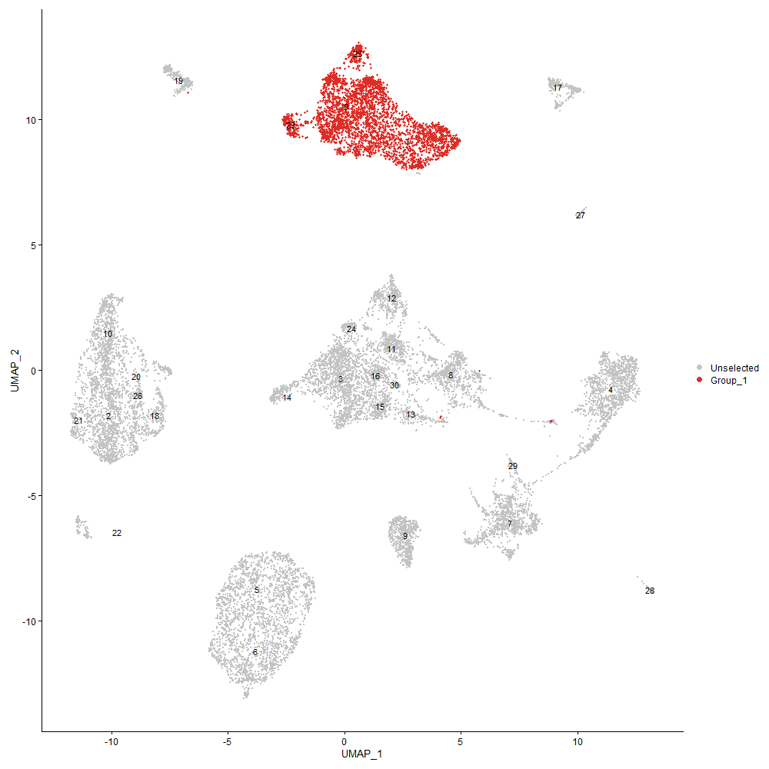
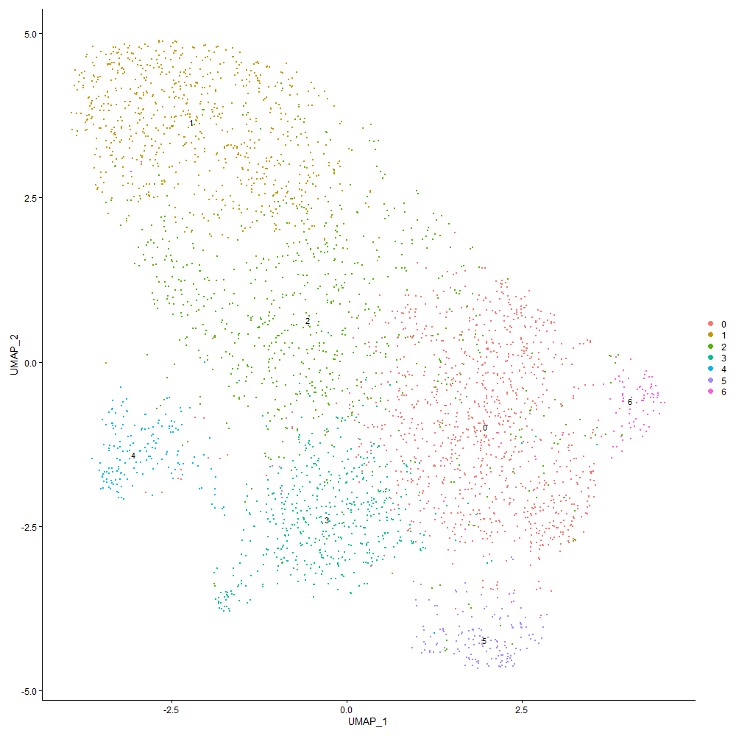
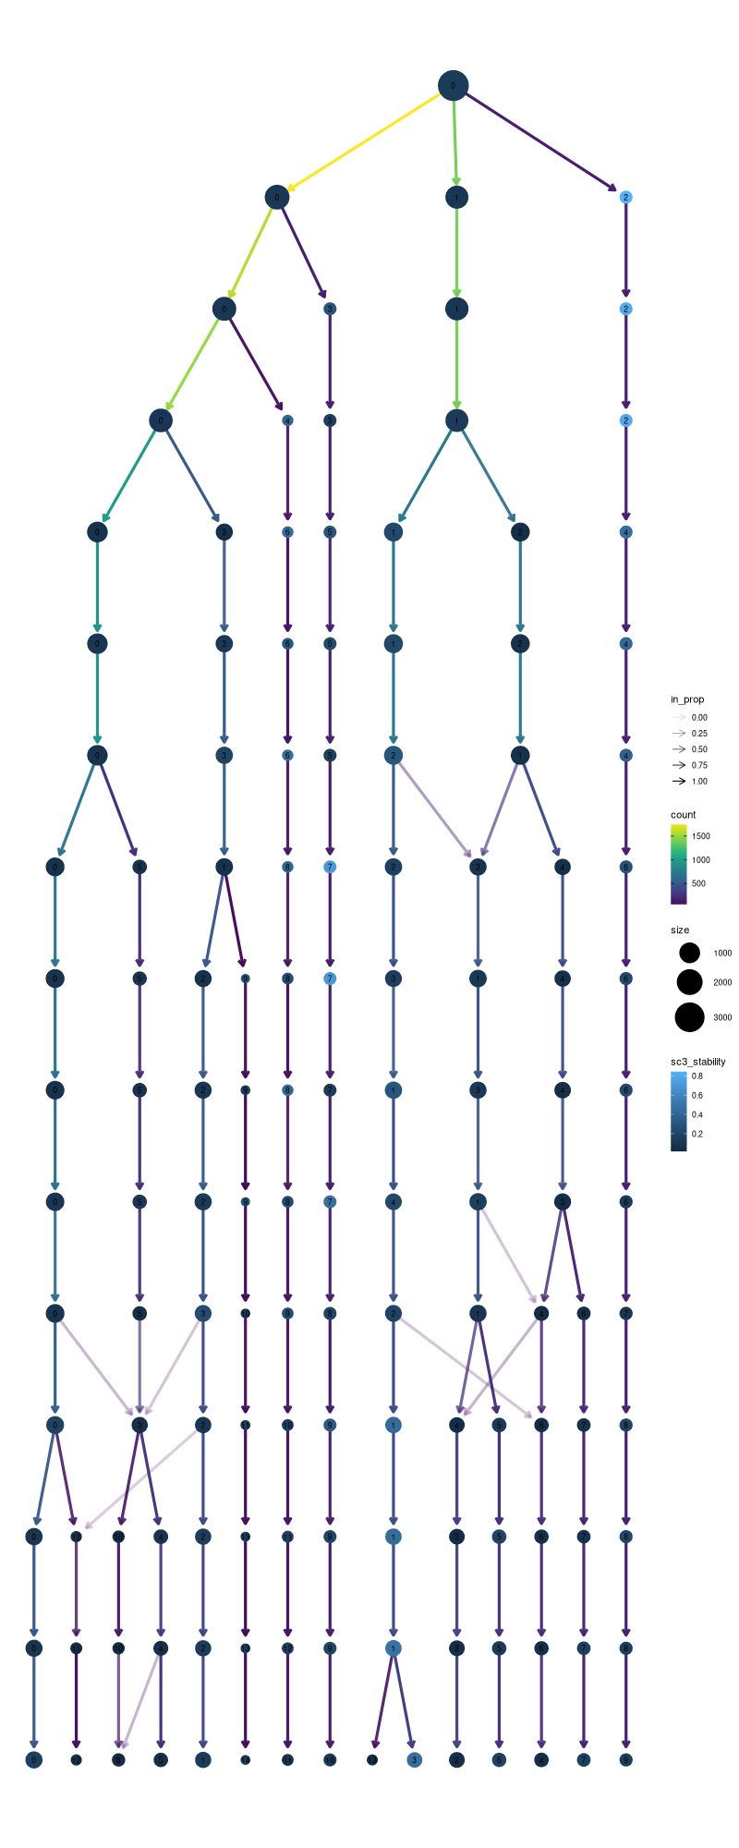

Cluster0
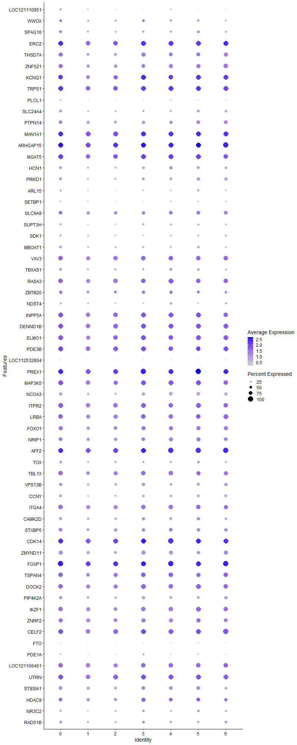
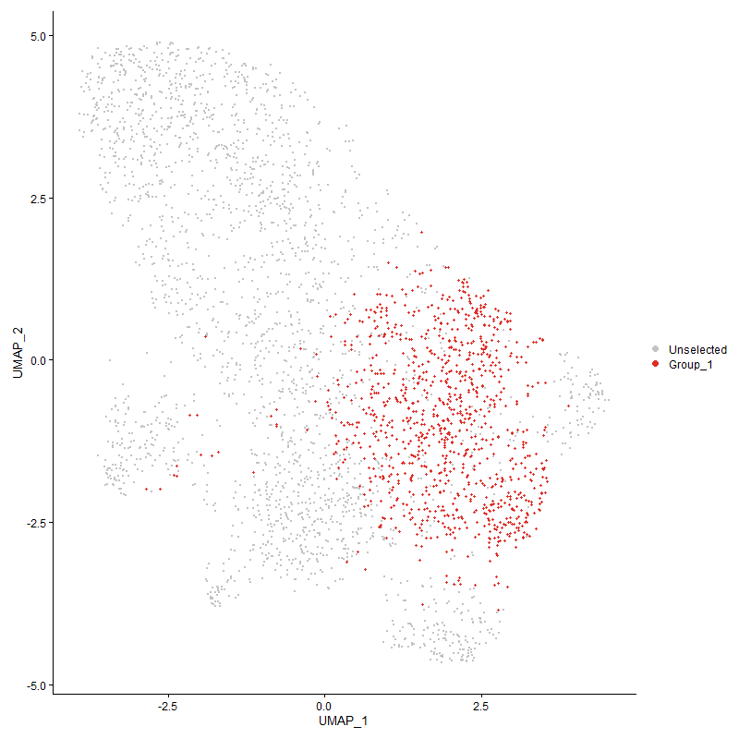
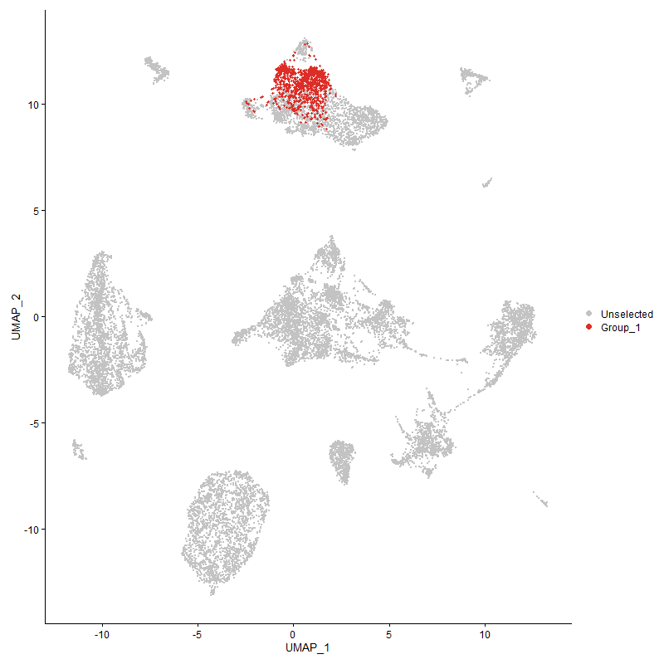
 | p_val | avg_log2FC | pct.1 | pct.2 | p_val_adj | cluster | gene
LOC121110951 | 1.099162409E-45 | 0.82721165967 | 0.463 | 0.237 | 1.6785309148E-41 | 0 | LOC121110951
WWOX | 1.0271633395E-15 | 0.69204948201 | 0.511 | 0.423 | 1.5685811357E-11 | 0 | WWOX
SPAG16 | 5.2595259505E-37 | 0.65655490221 | 0.629 | 0.437 | 8.031822079E-33 | 0 | SPAG16
ERC2 | 9.8467114045E-45 | 0.48978018725 | 0.978 | 0.912 | 1.5036912986E-40 | 0 | ERC2
THSD7A | 2.5746850247E-29 | 0.48114033574 | 0.799 | 0.676 | 3.9318015012E-25 | 0 | THSD7A
ZNF521 | 3.6419671869E-28 | 0.48035885224 | 0.82 | 0.719 | 5.5616480911E-24 | 0 | ZNF521
KCNQ1 | 1.422702939E-33 | 0.45914512282 | 0.917 | 0.837 | 2.1726096582E-29 | 0 | KCNQ1
TRPS1 | 3.2759632595E-38 | 0.45741771249 | 0.956 | 0.917 | 5.0027234936E-34 | 0 | TRPS1
PLCL1 | 2.0444286117E-14 | 0.44523350722 | 0.329 | 0.216 | 3.1220469329E-10 | 0 | PLCL1
SLC24A4 | 2.3824339298E-21 | 0.41012299438 | 0.57 | 0.417 | 3.6382148543E-17 | 0 | SLC24A4
PTPN14 | 1.0043635719E-23 | 0.39344219842 | 0.772 | 0.642 | 1.5337636106E-19 | 0 | PTPN14
MAN1A1 | 1.556883991E-40 | 0.38555700658 | 0.988 | 0.971 | 2.3775175426E-36 | 0 | MAN1A1
ARHGAP15 | 1.4994518262E-40 | 0.38436703002 | 0.994 | 0.98 | 2.2898128837E-36 | 0 | ARHGAP15
MGAT5 | 7.302234045E-26 | 0.36773339573 | 0.96 | 0.922 | 1.115124161E-21 | 0 | MGAT5
HCN1 | 5.025826216E-16 | 0.36242916663 | 0.607 | 0.492 | 7.6749392144E-12 | 0 | HCN1
PRKD1 | 4.1229918231E-16 | 0.35680288754 | 0.625 | 0.51 | 6.296220813E-12 | 0 | PRKD1
ARL15 | 6.0809767228E-08 | 0.35031219699 | 0.383 | 0.305 | 0.00092862595534 | 0 | ARL15
SETBP1 | 2.6690266663E-05 | 0.34907255558 | 0.325 | 0.271 | 0.40758706221 | 0 | SETBP1
SLC9A9 | 2.3841249172E-12 | 0.33656822551 | 0.76 | 0.698 | 3.6407971611E-08 | 0 | SLC9A9
SUPT3H | 2.3027294929E-12 | 0.33193165642 | 0.468 | 0.355 | 3.5164982085E-08 | 0 | SUPT3H
SDK1 | 1.4062532161E-10 | 0.33134662158 | 0.455 | 0.356 | 2.1474892863E-06 | 0 | SDK1
MBOAT1 | 2.4292802692E-17 | 0.32935780598 | 0.571 | 0.434 | 3.7097538991E-13 | 0 | MBOAT1
VAV3 | 4.940264027E-20 | 0.32797541344 | 0.88 | 0.857 | 7.5442771956E-16 | 0 | VAV3
TBXAS1 | 2.8116590604E-13 | 0.32245734678 | 0.588 | 0.474 | 4.2936845511E-09 | 0 | TBXAS1
RASA3 | 3.3321178344E-23 | 0.32152437926 | 0.919 | 0.879 | 5.0884771449E-19 | 0 | RASA3
ZBTB20 | 5.4681166144E-09 | 0.31581647287 | 0.681 | 0.623 | 8.3503608819E-05 | 0 | ZBTB20
NDST4 | 3.3243982776E-07 | 0.30990697415 | 0.41 | 0.334 | 0.0050766886097 | 0 | NDST4
INPP5A | 2.1223132558E-25 | 0.30821110084 | 0.963 | 0.925 | 3.240984573E-21 | 0 | INPP5A
DENND1B | 2.0980796349E-26 | 0.30651519315 | 0.972 | 0.947 | 3.2039774105E-22 | 0 | DENND1B
ELMO1 | 1.726099201E-17 | 0.30581017562 | 0.942 | 0.902 | 2.6359260899E-13 | 0 | ELMO1
PDE3B | 1.6219549995E-19 | 0.30572235713 | 0.941 | 0.93 | 2.4768874797E-15 | 0 | PDE3B
LOC112532804 | 9.9852953267E-05 | 0.30431527307 | 0.151 | 0.106 | 1 | 0 | LOC112532804
PREX1 | 1.3887409495E-34 | 0.30370143858 | 0.993 | 0.986 | 2.1207463039E-30 | 0 | PREX1
MAP3K5 | 7.3366286092E-20 | 0.30191660732 | 0.943 | 0.894 | 1.1203765549E-15 | 0 | MAP3K5
NCOA3 | 4.9428163943E-20 | 0.30059545188 | 0.698 | 0.567 | 7.5481749157E-16 | 0 | NCOA3
ITPR2 | 5.8912951232E-21 | 0.29901965381 | 0.958 | 0.895 | 8.9965967827E-17 | 0 | ITPR2
LRBA | 3.7767950024E-18 | 0.29829521686 | 0.903 | 0.86 | 5.7675436482E-14 | 0 | LRBA
FOXO1 | 2.9221745575E-14 | 0.29513811437 | 0.834 | 0.764 | 4.4624527667E-10 | 0 | FOXO1
NRIP1 | 1.5537930108E-13 | 0.29282340364 | 0.78 | 0.709 | 2.3727973068E-09 | 0 | NRIP1
AFF2 | 1.2786735724E-27 | 0.29189088664 | 0.99 | 0.98 | 1.9526624124E-23 | 0 | AFF2
TOX | 6.402002184E-07 | 0.2882952277 | 0.505 | 0.429 | 0.0097764975352 | 0 | TOX
TBL1X | 2.5628527354E-15 | 0.28823546481 | 0.866 | 0.81 | 3.9137324123E-11 | 0 | TBL1X
VPS13B | 6.549822224E-12 | 0.28755763663 | 0.645 | 0.558 | 1.0002233518E-07 | 0 | VPS13B
CCNY | 5.0631863835E-14 | 0.28733591194 | 0.583 | 0.468 | 7.7319919263E-10 | 0 | CCNY
ITGA4 | 1.0646904184E-19 | 0.28678494297 | 0.899 | 0.846 | 1.625888738E-15 | 0 | ITGA4
CAMK2D | 3.7994848615E-11 | 0.28645158089 | 0.63 | 0.555 | 5.8021933321E-07 | 0 | CAMK2D
STXBP5 | 5.8208691904E-10 | 0.28543733996 | 0.73 | 0.654 | 8.8890493406E-06 | 0 | STXBP5
CDK14 | 3.1271667768E-26 | 0.28318769479 | 0.984 | 0.974 | 4.7754963849E-22 | 0 | CDK14
ZMYND11 | 4.317347369E-17 | 0.28252021418 | 0.808 | 0.696 | 6.5930211672E-13 | 0 | ZMYND11
FOXP1 | 2.2375961498E-26 | 0.27322806419 | 1 | 0.997 | 3.4170330804E-22 | 0 | FOXP1
TSPAN4 | 1.2877128985E-12 | 0.26925250263 | 0.88 | 0.829 | 1.9664663674E-08 | 0 | TSPAN4
DOCK2 | 1.5217097581E-18 | 0.26510831312 | 0.917 | 0.878 | 2.3238029715E-14 | 0 | DOCK2
PIP4K2A | 2.697062859E-12 | 0.26413527382 | 0.665 | 0.59 | 4.1186846919E-08 | 0 | PIP4K2A
IKZF1 | 8.4123285408E-13 | 0.26398715107 | 0.866 | 0.825 | 1.2846466915E-08 | 0 | IKZF1
ZNRF2 | 7.6655337173E-13 | 0.26347641838 | 0.853 | 0.794 | 1.170603654E-08 | 0 | ZNRF2
CELF2 | 3.2325815962E-20 | 0.26224383065 | 0.953 | 0.938 | 4.9364753555E-16 | 0 | CELF2
FTO | 1.0508487908E-05 | 0.26111861121 | 0.23 | 0.171 | 0.16047511884 | 0 | FTO
PDE1A | 1.9666025782E-05 | 0.25625229863 | 0.334 | 0.274 | 0.30031987972 | 0 | PDE1A
LOC121106461 | 5.02686154E-12 | 0.25524217432 | 0.896 | 0.844 | 7.6765202577E-08 | 0 | LOC121106461
UTRN | 2.9615722132E-15 | 0.25502800234 | 0.959 | 0.936 | 4.5226169268E-11 | 0 | UTRN
ST8SIA1 | 3.999914037E-11 | 0.25370259765 | 0.729 | 0.651 | 6.108268726E-07 | 0 | ST8SIA1
HDAC9 | 8.4023824184E-07 | 0.25310482898 | 0.724 | 0.685 | 0.012831278191 | 0 | HDAC9
NR3C2 | 8.583774015E-08 | 0.25120688123 | 0.484 | 0.395 | 0.0013108281298 | 0 | NR3C2
RAD51B | 0.00036335700057 | 0.25003747498 | 0.509 | 0.464 | 1 | 0 | RAD51B

Cluster1
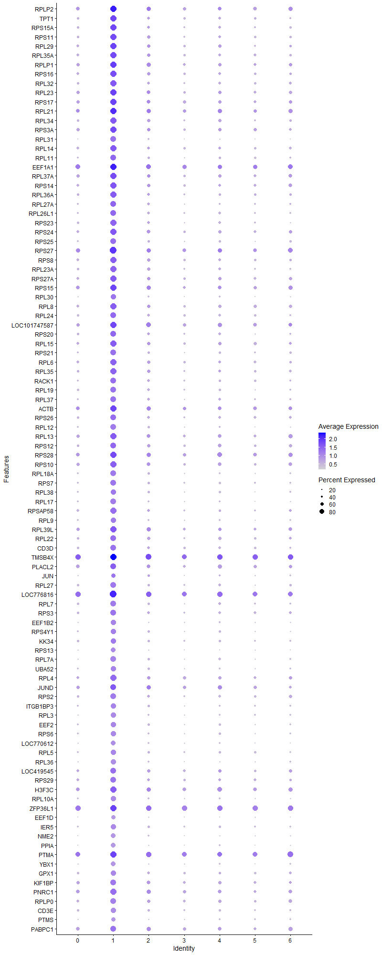
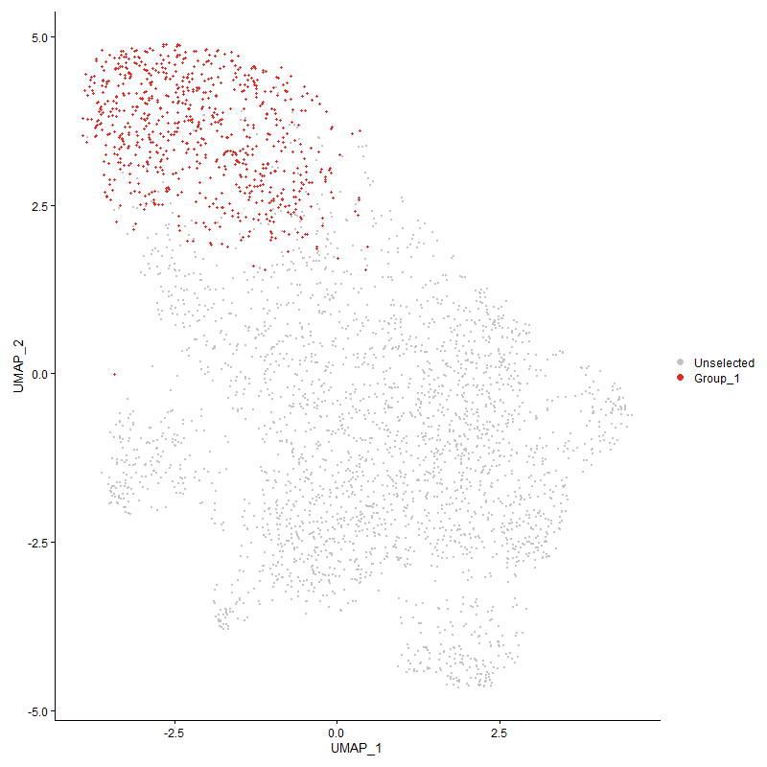
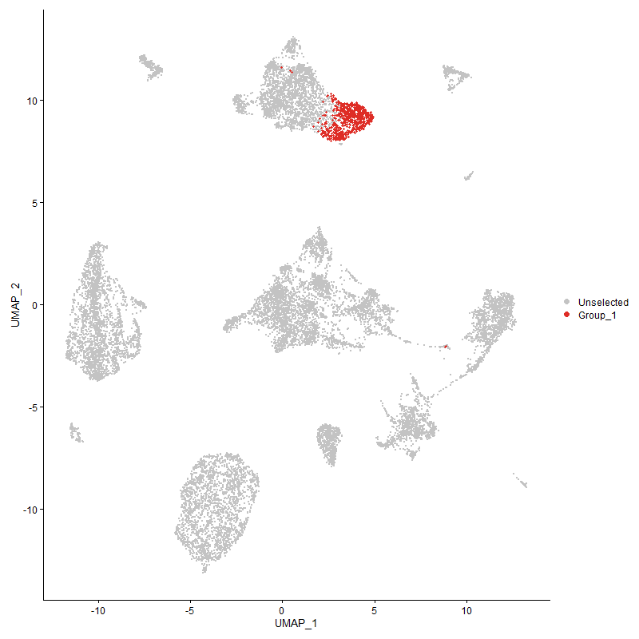
 | p_val | avg_log2FC | pct.1 | pct.2 | p_val_adj | cluster | gene
RPLP2 | 6.8309007385E-284 | 1.725274891 | 0.989 | 0.641 | 1.0431468518E-279 | 1 | RPLP2
TPT1 | 3.3159247527E-271 | 1.6923208469 | 0.959 | 0.472 | 5.0637486899E-267 | 1 | TPT1
RPS15A | 1.7291411869E-281 | 1.6720232962 | 0.967 | 0.453 | 2.6405715066E-277 | 1 | RPS15A
RPS11 | 6.1893424196E-276 | 1.6331861346 | 0.958 | 0.473 | 9.451744809E-272 | 1 | RPS11
RPL29 | 4.720907439E-260 | 1.6096016592 | 0.96 | 0.505 | 7.20929775E-256 | 1 | RPL29
RPL35A | 2.331361567E-261 | 1.5546517214 | 0.965 | 0.523 | 3.560222249E-257 | 1 | RPL35A
RPLP1 | 5.6326049525E-240 | 1.5414628001 | 0.96 | 0.592 | 8.601551023E-236 | 1 | RPLP1
RPS16 | 3.7395260459E-250 | 1.5264809182 | 0.95 | 0.485 | 5.7106302247E-246 | 1 | RPS16
RPL32 | 6.8251904264E-255 | 1.4926163139 | 0.946 | 0.444 | 1.04227483E-250 | 1 | RPL32
RPL23 | 3.5093888856E-249 | 1.4868121951 | 0.975 | 0.561 | 5.3591877671E-245 | 1 | RPL23
RPS17 | 8.8023978481E-247 | 1.4612405098 | 0.98 | 0.572 | 1.3442141754E-242 | 1 | RPS17
RPL21 | 1.4506535322E-237 | 1.4419576818 | 0.98 | 0.648 | 2.2152930091E-233 | 1 | RPL21
RPL34 | 1.0621604679E-233 | 1.4417445334 | 0.937 | 0.469 | 1.6220252506E-229 | 1 | RPL34
RPS3A | 9.2414335279E-242 | 1.4316158119 | 0.978 | 0.545 | 1.411259314E-237 | 1 | RPS3A
RPL31 | 6.1227269604E-253 | 1.4011988281 | 0.877 | 0.289 | 9.3500163412E-249 | 1 | RPL31
RPL14 | 7.5097127627E-232 | 1.3898489308 | 0.948 | 0.484 | 1.146808236E-227 | 1 | RPL14
RPL11 | 8.3279316945E-225 | 1.3749624115 | 0.903 | 0.401 | 1.2717584491E-220 | 1 | RPL11
EEF1A1 | 9.4324547745E-232 | 1.3735942336 | 0.992 | 0.74 | 1.4404301686E-227 | 1 | EEF1A1
RPL37A | 3.6586901244E-233 | 1.3713505696 | 0.967 | 0.54 | 5.5871856889E-229 | 1 | RPL37A
RPS14 | 1.1090854481E-221 | 1.3626393723 | 0.947 | 0.522 | 1.6936843878E-217 | 1 | RPS14
RPL36A | 3.1195515205E-226 | 1.3625793099 | 0.937 | 0.459 | 4.763867127E-222 | 1 | RPL36A
RPL27A | 1.9600654282E-221 | 1.3404633849 | 0.903 | 0.397 | 2.9932159154E-217 | 1 | RPL27A
RPL26L1 | 2.0564335772E-235 | 1.3377005786 | 0.921 | 0.417 | 3.1403797158E-231 | 1 | RPL26L1
RPS23 | 7.035725336E-233 | 1.30241527 | 0.943 | 0.425 | 1.0744256161E-228 | 1 | RPS23
RPS24 | 1.0963849476E-218 | 1.2983144543 | 0.965 | 0.524 | 1.6742894535E-214 | 1 | RPS24
RPS25 | 1.941901442E-226 | 1.2932127036 | 0.895 | 0.379 | 2.965477692E-222 | 1 | RPS25
RPS27 | 2.981511514E-225 | 1.2923175788 | 0.997 | 0.701 | 4.553066233E-221 | 1 | RPS27
RPS8 | 5.4574083765E-218 | 1.2903140516 | 0.95 | 0.501 | 8.3340083318E-214 | 1 | RPS8
RPL23A | 1.226675935E-227 | 1.2860173149 | 0.943 | 0.457 | 1.8732568203E-223 | 1 | RPL23A
RPS27A | 3.2042811635E-230 | 1.278649183 | 0.97 | 0.519 | 4.8932577647E-226 | 1 | RPS27A
RPS15 | 6.6452520569E-219 | 1.2759318406 | 0.982 | 0.618 | 1.0147964416E-214 | 1 | RPS15
RPL30 | 1.8565709264E-216 | 1.2703227266 | 0.865 | 0.327 | 2.8351694616E-212 | 1 | RPL30
RPL8 | 4.2249598495E-208 | 1.2592913292 | 0.941 | 0.53 | 6.4519361861E-204 | 1 | RPL8
RPL24 | 9.4731816814E-208 | 1.2554788382 | 0.914 | 0.457 | 1.4466495746E-203 | 1 | RPL24
LOC101747587 | 3.1656034529E-214 | 1.2422731465 | 0.977 | 0.635 | 4.834193033E-210 | 1 | LOC101747587
RPS20 | 3.4803850319E-201 | 1.2355990206 | 0.911 | 0.434 | 5.3148959822E-197 | 1 | RPS20
RPL15 | 2.3025788202E-205 | 1.2223534929 | 0.954 | 0.52 | 3.5162681164E-201 | 1 | RPL15
RPS21 | 2.358812828E-199 | 1.2127808037 | 0.877 | 0.401 | 3.6021430696E-195 | 1 | RPS21
RPL6 | 5.7479632974E-206 | 1.2118080209 | 0.954 | 0.511 | 8.7777147514E-202 | 1 | RPL6
RPL35 | 2.346003645E-207 | 1.1995194256 | 0.932 | 0.476 | 3.5825821663E-203 | 1 | RPL35
RACK1 | 5.7932714334E-203 | 1.181709269 | 0.907 | 0.419 | 8.8469048059E-199 | 1 | RACK1
RPL19 | 5.0733982509E-212 | 1.1600075104 | 0.914 | 0.423 | 7.7475864689E-208 | 1 | RPL19
RPL37 | 2.9968132942E-201 | 1.156707145 | 0.896 | 0.405 | 4.5764335816E-197 | 1 | RPL37
ACTB | 7.3349873836E-152 | 1.1537371142 | 0.96 | 0.639 | 1.1201259234E-147 | 1 | ACTB
RPS26 | 6.9990364723E-196 | 1.153159668 | 0.926 | 0.457 | 1.0688228597E-191 | 1 | RPS26
RPL12 | 1.9635947419E-207 | 1.1449248871 | 0.875 | 0.352 | 2.9986055303E-203 | 1 | RPL12
RPL13 | 5.5493224099E-195 | 1.1442733782 | 0.967 | 0.577 | 8.4743702521E-191 | 1 | RPL13
RPS12 | 5.4411834271E-184 | 1.1423392384 | 0.916 | 0.494 | 8.3092312115E-180 | 1 | RPS12
RPS28 | 8.3194678636E-203 | 1.1391544394 | 0.985 | 0.663 | 1.2704659375E-198 | 1 | RPS28
RPS10 | 2.1853532418E-209 | 1.1372399599 | 0.978 | 0.563 | 3.3372529356E-205 | 1 | RPS10
RPL18A | 9.1205358223E-193 | 1.1367106717 | 0.876 | 0.367 | 1.3927970254E-188 | 1 | RPL18A
RPS7 | 6.7864846697E-194 | 1.1349244801 | 0.891 | 0.405 | 1.0363640739E-189 | 1 | RPS7
RPL38 | 1.9232609329E-190 | 1.1340581898 | 0.862 | 0.374 | 2.9370117707E-186 | 1 | RPL38
RPL17 | 1.0255678811E-196 | 1.1225078169 | 0.869 | 0.347 | 1.5661447112E-192 | 1 | RPL17
RPSAP58 | 1.5659617737E-194 | 1.1068733246 | 0.932 | 0.473 | 2.3913802247E-190 | 1 | RPSAP58
RPL9 | 1.4661448689E-182 | 1.1061415016 | 0.849 | 0.356 | 2.2389498292E-178 | 1 | RPL9
RPL39L | 1.5456151249E-190 | 1.0821579287 | 0.985 | 0.596 | 2.3603088572E-186 | 1 | RPL39L
RPL22 | 1.4861543387E-187 | 1.0794931015 | 0.924 | 0.468 | 2.2695062906E-183 | 1 | RPL22
CD3D | 1.9305847514E-178 | 1.0749038069 | 0.906 | 0.462 | 2.9481959738E-174 | 1 | CD3D
TMSB4X | 1.4056009914E-174 | 1.0681607434 | 0.996 | 0.845 | 2.146493274E-170 | 1 | TMSB4X
PLACL2 | 4.2610080746E-152 | 1.0653425318 | 0.925 | 0.601 | 6.5069854308E-148 | 1 | PLACL2
JUN | 1.9861769715E-75 | 1.0606837064 | 0.678 | 0.358 | 3.0330908531E-71 | 1 | JUN
RPL27 | 2.5632057357E-175 | 1.0563142624 | 0.879 | 0.418 | 3.914271479E-171 | 1 | RPL27
LOC776816 | 7.1155737777E-188 | 1.0557259276 | 0.997 | 0.808 | 1.0866192716E-183 | 1 | LOC776816
RPL7 | 1.729711899E-169 | 1.0398831893 | 0.871 | 0.401 | 2.6414430409E-165 | 1 | RPL7
RPS3 | 1.9517001735E-182 | 1.0377891632 | 0.917 | 0.473 | 2.980441335E-178 | 1 | RPS3
EEF1B2 | 1.8973263886E-170 | 1.0269864547 | 0.822 | 0.322 | 2.897407128E-166 | 1 | EEF1B2
RPS4Y1 | 2.1432560239E-175 | 1.0146138163 | 0.861 | 0.368 | 3.272966274E-171 | 1 | RPS4Y1
KK34 | 7.7923853852E-152 | 1.0119960113 | 0.856 | 0.414 | 1.1899751722E-147 | 1 | KK34
RPS13 | 8.0883913741E-176 | 1.0102732205 | 0.785 | 0.282 | 1.2351782467E-171 | 1 | RPS13
RPL7A | 5.0651299582E-183 | 0.99966946498 | 0.869 | 0.365 | 7.7349599592E-179 | 1 | RPL7A
UBA52 | 1.0013252522E-162 | 0.98921582183 | 0.83 | 0.364 | 1.5291237926E-158 | 1 | UBA52
RPL4 | 4.7107641999E-158 | 0.97258549672 | 0.95 | 0.558 | 7.1938080097E-154 | 1 | RPL4
JUND | 6.131371558E-97 | 0.95547703091 | 0.906 | 0.62 | 9.3632175062E-93 | 1 | JUND
RPS2 | 2.2689988897E-153 | 0.93266111882 | 0.884 | 0.458 | 3.4649882044E-149 | 1 | RPS2
ITGB1BP3 | 7.5111353895E-149 | 0.92554501697 | 0.85 | 0.374 | 1.1470254853E-144 | 1 | ITGB1BP3
RPL3 | 2.8214821905E-164 | 0.92293166088 | 0.838 | 0.355 | 4.3086854532E-160 | 1 | RPL3
EEF2 | 9.7726607695E-159 | 0.92080280528 | 0.856 | 0.387 | 1.4923830261E-154 | 1 | EEF2
RPS6 | 1.695403704E-152 | 0.91604541211 | 0.819 | 0.367 | 2.5890509964E-148 | 1 | RPS6
LOC770612 | 1.4572855013E-155 | 0.90570250555 | 0.785 | 0.308 | 2.225420689E-151 | 1 | LOC770612
RPL5 | 1.5368020519E-138 | 0.88530293193 | 0.847 | 0.401 | 2.3468504134E-134 | 1 | RPL5
RPL36 | 9.0595841729E-158 | 0.87842166054 | 0.804 | 0.311 | 1.383489099E-153 | 1 | RPL36
LOC419545 | 4.8611283367E-111 | 0.87224515009 | 0.895 | 0.534 | 7.4234290829E-107 | 1 | LOC419545
RPS29 | 1.0533718999E-130 | 0.86939502932 | 0.903 | 0.508 | 1.6086042284E-126 | 1 | RPS29
H3F3C | 5.376109418E-138 | 0.86667483746 | 0.965 | 0.66 | 8.2098566922E-134 | 1 | H3F3C
RPL10A | 1.2877357335E-141 | 0.86333656739 | 0.811 | 0.351 | 1.9665012387E-137 | 1 | RPL10A
ZFP36L1 | 9.8723308359E-127 | 0.85176767167 | 0.98 | 0.823 | 1.507603642E-122 | 1 | ZFP36L1
EEF1D | 3.2835220402E-142 | 0.83281807479 | 0.719 | 0.264 | 5.0142665076E-138 | 1 | EEF1D
IER5 | 2.1343899474E-117 | 0.82782700995 | 0.804 | 0.394 | 3.2594268887E-113 | 1 | IER5
NME2 | 5.5867892914E-149 | 0.82452344185 | 0.766 | 0.29 | 8.531585927E-145 | 1 | NME2
PPIA | 1.4960963452E-136 | 0.79791654451 | 0.743 | 0.288 | 2.2846887287E-132 | 1 | PPIA
PTMA | 5.0656139407E-103 | 0.78682597125 | 0.98 | 0.802 | 7.7356990488E-99 | 1 | PTMA
YBX1 | 2.5455587777E-114 | 0.74830118704 | 0.74 | 0.317 | 3.8873228094E-110 | 1 | YBX1
GPX1 | 2.6308524606E-101 | 0.74339501459 | 0.827 | 0.459 | 4.0175747925E-97 | 1 | GPX1
KIF1BP | 7.0617262144E-95 | 0.70951264244 | 0.906 | 0.579 | 1.0783962102E-90 | 1 | KIF1BP
PNRC1 | 1.3035104304E-96 | 0.70560987753 | 0.943 | 0.652 | 1.9905907782E-92 | 1 | PNRC1
RPLP0 | 3.1240113444E-103 | 0.7028848137 | 0.888 | 0.515 | 4.770677724E-99 | 1 | RPLP0
CD3E | 1.0980361819E-108 | 0.70269153605 | 0.824 | 0.441 | 1.6768110534E-104 | 1 | CD3E
PTMS | 3.2596552937E-89 | 0.70260624016 | 0.702 | 0.334 | 4.977819599E-85 | 1 | PTMS
PABPC1 | 3.3648118519E-95 | 0.69143912545 | 0.926 | 0.625 | 5.1384041791E-91 | 1 | PABPC1
BF1 | 4.345095262E-104 | 0.68710843115 | 0.854 | 0.462 | 6.6353949746E-100 | 1 | BF1
FTH1 | 5.7057175278E-91 | 0.6810127276 | 0.8 | 0.428 | 8.7132012367E-87 | 1 | FTH1
BF2 | 3.6226667419E-91 | 0.6658479987 | 0.92 | 0.598 | 5.5321743816E-87 | 1 | BF2
BTG1 | 5.3974881591E-70 | 0.65136565398 | 0.917 | 0.712 | 8.2425041677E-66 | 1 | BTG1
S100A11 | 4.4633179517E-94 | 0.64328363941 | 0.582 | 0.216 | 6.815932844E-90 | 1 | S100A11
UBB | 7.7178126898E-101 | 0.63429244383 | 0.647 | 0.256 | 1.1785871759E-96 | 1 | UBB
RHOA | 5.8405028823E-93 | 0.61362209147 | 0.749 | 0.352 | 8.9190319516E-89 | 1 | RHOA
EIF1 | 1.1635825586E-79 | 0.61248559657 | 0.822 | 0.48 | 1.7769069253E-75 | 1 | EIF1
DRD4 | 1.6220280681E-88 | 0.59794510671 | 0.548 | 0.194 | 2.4769990628E-84 | 1 | DRD4
NPM1 | 1.0348306916E-77 | 0.59683534115 | 0.783 | 0.428 | 1.5802899491E-73 | 1 | NPM1
ITM2A | 1.8196898793E-71 | 0.58214358257 | 0.8 | 0.481 | 2.7788484146E-67 | 1 | ITM2A
ARF6 | 3.1578958572E-80 | 0.5781437601 | 0.693 | 0.335 | 4.8224227635E-76 | 1 | ARF6
CRIP1 | 1.2030283962E-87 | 0.56494205458 | 0.583 | 0.22 | 1.8371446638E-83 | 1 | CRIP1
SELP | 3.1002761819E-66 | 0.5583070464 | 0.879 | 0.616 | 4.7344317574E-62 | 1 | SELP
CALM2 | 4.0077471095E-68 | 0.55078215302 | 0.685 | 0.357 | 6.1202306109E-64 | 1 | CALM2
CHCHD2 | 7.6056461647E-101 | 0.55024923389 | 0.565 | 0.182 | 1.1614582258E-96 | 1 | CHCHD2
HSP90AA1 | 5.1348717648E-60 | 0.5401765259 | 0.65 | 0.339 | 7.841462672E-56 | 1 | HSP90AA1
NR4A3 | 7.2884183909E-25 | 0.53939429811 | 0.447 | 0.25 | 1.1130143725E-20 | 1 | NR4A3
MCL1 | 1.7858089395E-48 | 0.53452629729 | 0.715 | 0.442 | 2.7271088316E-44 | 1 | MCL1
LOC107056413 | 1.5926097451E-68 | 0.5318323096 | 0.785 | 0.454 | 2.4320743417E-64 | 1 | LOC107056413
CEBPD | 1.4200476393E-100 | 0.531268679 | 0.429 | 0.1 | 2.16855475E-96 | 1 | CEBPD
LOC107049468 | 2.4053455962E-28 | 0.52840966599 | 0.541 | 0.34 | 3.67320326E-24 | 1 | LOC107049468
RGS1 | 2.5694635403E-40 | 0.52175793316 | 0.778 | 0.531 | 3.9238277724E-36 | 1 | RGS1
TOMM7 | 6.0583661454E-85 | 0.52006388936 | 0.514 | 0.174 | 9.2517309406E-81 | 1 | TOMM7
SERBP1 | 2.2303603396E-65 | 0.51084877307 | 0.691 | 0.365 | 3.4059832746E-61 | 1 | SERBP1
DUSP1 | 1.8831990625E-43 | 0.50744216599 | 0.55 | 0.282 | 2.8758332884E-39 | 1 | DUSP1
RAC2 | 2.0142733194E-80 | 0.50538872479 | 0.564 | 0.216 | 3.075996786E-76 | 1 | RAC2
ID2 | 1.4344060944E-41 | 0.49915705898 | 0.614 | 0.374 | 2.1904815467E-37 | 1 | ID2
GAPDH | 1.5421909393E-67 | 0.49691630989 | 0.565 | 0.243 | 2.3550797835E-63 | 1 | GAPDH
LOC100859737 | 4.7456723921E-69 | 0.48490194868 | 0.522 | 0.208 | 7.24711631E-65 | 1 | LOC100859737
LOC121107448 | 6.760233865E-91 | 0.47359118506 | 0.349 | 0.067 | 1.0323553135E-86 | 1 | LOC121107448
COX7B | 4.2385685261E-102 | 0.46759260286 | 0.422 | 0.092 | 6.4727179962E-98 | 1 | COX7B
LOC429682 | 8.1177192066E-59 | 0.46634265182 | 0.619 | 0.303 | 1.2396569E-54 | 1 | LOC429682
HMGN4 | 1.3774024119E-69 | 0.46551642933 | 0.537 | 0.215 | 2.1034312233E-65 | 1 | HMGN4
HMGB1 | 1.0762377596E-53 | 0.46155049112 | 0.71 | 0.411 | 1.6435226827E-49 | 1 | HMGB1
EIF3K | 4.6830074888E-94 | 0.45772410851 | 0.426 | 0.104 | 7.1514207361E-90 | 1 | EIF3K
TAGAP | 2.9164948866E-36 | 0.45486791185 | 0.723 | 0.512 | 4.4537793413E-32 | 1 | TAGAP
LOC769232 | 3.6367133021E-48 | 0.45463460288 | 1 | 0.981 | 5.5536248836E-44 | 1 | LOC769232
NFKBIA | 9.0544369951E-32 | 0.45001028136 | 0.876 | 0.708 | 1.3827030735E-27 | 1 | NFKBIA
EIF3F | 4.9830933006E-85 | 0.44963607629 | 0.463 | 0.134 | 7.6096817794E-81 | 1 | EIF3F
DSTN | 4.7536689351E-51 | 0.44839081055 | 0.862 | 0.592 | 7.2593278308E-47 | 1 | DSTN
SERF2 | 1.0209066246E-50 | 0.44675293011 | 0.635 | 0.348 | 1.5590265064E-46 | 1 | SERF2
IL2RG | 4.2705126362E-54 | 0.44385219639 | 0.597 | 0.308 | 6.5214998468E-50 | 1 | IL2RG
ZFP36L2 | 1.8373381505E-39 | 0.44267031945 | 0.757 | 0.525 | 2.8057990896E-35 | 1 | ZFP36L2
FOS | 3.5175094414E-25 | 0.44264324089 | 0.699 | 0.494 | 5.371588668E-21 | 1 | FOS
HEXIM1 | 1.9137725436E-45 | 0.44247947743 | 0.636 | 0.36 | 2.9225220513E-41 | 1 | HEXIM1
H3F3B | 9.9671573995E-38 | 0.44246597114 | 0.916 | 0.743 | 1.5220846065E-33 | 1 | H3F3B
SEPTIN9 | 4.8340290932E-52 | 0.43715971768 | 0.673 | 0.39 | 7.3820458282E-48 | 1 | SEPTIN9
ATP5L | 9.463496209E-83 | 0.43621096774 | 0.443 | 0.128 | 1.4451705061E-78 | 1 | ATP5L
MYL12B | 1.1971212138E-62 | 0.43595682761 | 0.501 | 0.203 | 1.8281238057E-58 | 1 | MYL12B
ZNF593 | 1.424164529E-61 | 0.42613134342 | 0.497 | 0.198 | 2.1748416522E-57 | 1 | ZNF593
MYL6 | 4.7274848561E-53 | 0.42496882068 | 0.598 | 0.305 | 7.2193421238E-49 | 1 | MYL6
GNAI2 | 1.28163382E-48 | 0.42375775459 | 0.61 | 0.326 | 1.9571830065E-44 | 1 | GNAI2
ARPC1B | 3.6140189366E-62 | 0.42159867075 | 0.47 | 0.176 | 5.5189683181E-58 | 1 | ARPC1B
NSA2 | 2.0475971161E-56 | 0.41496711828 | 0.414 | 0.151 | 3.126885556E-52 | 1 | NSA2
OAZ1 | 2.3049660757E-47 | 0.4148890416 | 0.606 | 0.316 | 3.5199136941E-43 | 1 | OAZ1
CALM1 | 4.0930001616E-35 | 0.41178770561 | 0.638 | 0.405 | 6.2504205468E-31 | 1 | CALM1
BASP1 | 2.3315354524E-38 | 0.41075584337 | 0.793 | 0.532 | 3.5604877894E-34 | 1 | BASP1
TSC22D4 | 1.9618112196E-31 | 0.40883074813 | 0.717 | 0.487 | 2.9958819135E-27 | 1 | TSC22D4
EIF4A2 | 1.0436120534E-41 | 0.40726089972 | 0.794 | 0.557 | 1.5936999667E-37 | 1 | EIF4A2
PLP2 | 2.2169252739E-69 | 0.40684418686 | 0.38 | 0.109 | 3.3854665858E-65 | 1 | PLP2
COX4I1 | 1.597522419E-63 | 0.40542915714 | 0.474 | 0.18 | 2.439576486E-59 | 1 | COX4I1
KCTD12B | 3.05469994E-49 | 0.40483136538 | 0.516 | 0.24 | 4.6648322783E-45 | 1 | KCTD12B
TAPBP | 6.4749302457E-55 | 0.39448227266 | 0.514 | 0.223 | 9.8878659782E-51 | 1 | TAPBP
SUMO2 | 3.3730880126E-57 | 0.39170385093 | 0.486 | 0.197 | 5.151042704E-53 | 1 | SUMO2
MIF | 5.2342327639E-66 | 0.38619854199 | 0.358 | 0.1 | 7.9931968538E-62 | 1 | MIF
COX8A | 1.014684258E-51 | 0.3850984139 | 0.463 | 0.191 | 1.5495243305E-47 | 1 | COX8A
NACA | 4.3117813783E-42 | 0.37792943583 | 0.456 | 0.217 | 6.5845213428E-38 | 1 | NACA
ANXA6 | 1.5339677739E-48 | 0.37625310596 | 0.496 | 0.229 | 2.3425221876E-44 | 1 | ANXA6
URM1 | 5.4452403424E-84 | 0.37399070331 | 0.334 | 0.067 | 8.3154265268E-80 | 1 | URM1
CSK | 2.8481034769E-42 | 0.36909923159 | 0.485 | 0.237 | 4.3493388196E-38 | 1 | CSK
EEF1G | 5.5582050308E-36 | 0.36824672078 | 0.651 | 0.405 | 8.4879349025E-32 | 1 | EEF1G
RBM3 | 4.3569220603E-44 | 0.3672856537 | 0.504 | 0.246 | 6.6534556783E-40 | 1 | RBM3
EIF3M | 7.7221378211E-51 | 0.36728088183 | 0.437 | 0.175 | 1.1792476667E-46 | 1 | EIF3M
SLC25A6 | 1.8926552138E-48 | 0.36717453265 | 0.447 | 0.187 | 2.890273777E-44 | 1 | SLC25A6
GPR183 | 2.0338363511E-25 | 0.36497324649 | 0.515 | 0.313 | 3.1058714918E-21 | 1 | GPR183
B2M | 3.33128538E-53 | 0.36461198158 | 0.44 | 0.172 | 5.0872059038E-49 | 1 | B2M
EIF5A2 | 2.2832653759E-51 | 0.36379708507 | 0.486 | 0.21 | 3.4867745556E-47 | 1 | EIF5A2
COX5A | 1.5702667021E-72 | 0.3588963043 | 0.35 | 0.087 | 2.3979542808E-68 | 1 | COX5A
SELENOW | 7.1125803551E-44 | 0.35633918871 | 0.422 | 0.183 | 1.086162146E-39 | 1 | SELENOW
EIF4G2 | 9.3478603434E-31 | 0.35457140006 | 0.586 | 0.365 | 1.427511753E-26 | 1 | EIF4G2
ATP5D | 1.6452011093E-57 | 0.35324203358 | 0.354 | 0.11 | 2.512386614E-53 | 1 | ATP5D
SET | 9.848068944E-36 | 0.3517561123 | 0.474 | 0.245 | 1.5038986084E-31 | 1 | SET
COTL1 | 1.1478792275E-44 | 0.34863512903 | 0.475 | 0.218 | 1.7529263683E-40 | 1 | COTL1
IRF2BP2 | 1.4707481523E-36 | 0.34855437138 | 0.525 | 0.284 | 2.2459795034E-32 | 1 | IRF2BP2
TMBIM6 | 2.2944016533E-55 | 0.3457754749 | 0.398 | 0.139 | 3.5037807648E-51 | 1 | TMBIM6
MT4 | 7.8408767033E-50 | 0.34302152257 | 0.294 | 0.087 | 1.1973802814E-45 | 1 | MT4
DUSP5 | 1.5607419232E-30 | 0.34277772823 | 0.29 | 0.121 | 2.3834089909E-26 | 1 | DUSP5
POLD4 | 4.3370069071E-38 | 0.34223380942 | 0.549 | 0.301 | 6.6230432478E-34 | 1 | POLD4
TPM3 | 5.0991167342E-38 | 0.34157325139 | 0.631 | 0.37 | 7.7868611648E-34 | 1 | TPM3
HSPA5 | 1.9266251613E-19 | 0.34152300531 | 0.492 | 0.315 | 2.9421492838E-15 | 1 | HSPA5
TARP | 8.3359286658E-26 | 0.33986342992 | 0.958 | 0.859 | 1.2729796666E-21 | 1 | TARP
ETS1 | 3.3408860234E-34 | 0.33933896627 | 0.99 | 0.932 | 5.1018670463E-30 | 1 | ETS1
C12orf75 | 3.8877202414E-33 | 0.33750412194 | 0.481 | 0.251 | 5.9369375806E-29 | 1 | C12orf75
LOC101748259 | 6.0731191026E-34 | 0.33664273469 | 0.383 | 0.182 | 9.2742601816E-30 | 1 | LOC101748259
SVBP | 1.2893746767E-48 | 0.33557897621 | 0.409 | 0.158 | 1.9690040687E-44 | 1 | SVBP
HNRNPAB | 2.7233426201E-43 | 0.33403688903 | 0.501 | 0.238 | 4.1588165152E-39 | 1 | HNRNPAB
ATP5B | 4.7769090513E-50 | 0.33338866688 | 0.383 | 0.14 | 7.2948178123E-46 | 1 | ATP5B
LOC100858579 | 2.9595645635E-19 | 0.33324546168 | 0.225 | 0.103 | 4.5195510449E-15 | 1 | LOC100858579
NCL | 3.4505080018E-27 | 0.33097425347 | 0.67 | 0.465 | 5.2692707696E-23 | 1 | NCL
ANP32B | 2.8875343702E-40 | 0.33073354054 | 0.422 | 0.189 | 4.4095537367E-36 | 1 | ANP32B
TOMM20 | 5.0829005737E-45 | 0.33004555095 | 0.36 | 0.135 | 7.7620974662E-41 | 1 | TOMM20
CD63 | 1.5978121172E-36 | 0.32640875985 | 0.511 | 0.27 | 2.4400188842E-32 | 1 | CD63
CYBA | 2.4437797783E-41 | 0.32450685814 | 0.455 | 0.211 | 3.7318960995E-37 | 1 | CYBA
ARPC4 | 3.148507056E-37 | 0.32206508131 | 0.429 | 0.201 | 4.8080851252E-33 | 1 | ARPC4
LOC101750540 | 4.0186259986E-44 | 0.32142658762 | 0.33 | 0.117 | 6.1368437624E-40 | 1 | LOC101750540
ACTR2 | 7.0641160906E-39 | 0.31776203866 | 0.467 | 0.226 | 1.0787611682E-34 | 1 | ACTR2
OST4 | 1.1997487717E-47 | 0.31664416522 | 0.371 | 0.134 | 1.8321363492E-43 | 1 | OST4
HNRNPA1 | 6.6090136323E-36 | 0.31587069769 | 0.433 | 0.211 | 1.0092624718E-31 | 1 | HNRNPA1
LOC107053353 | 1.4218809799E-51 | 0.31558144492 | 0.316 | 0.096 | 2.1713544443E-47 | 1 | LOC107053353
GATA3 | 1.5995130086E-21 | 0.31488575197 | 0.924 | 0.784 | 2.4426163154E-17 | 1 | GATA3
PMAIP1 | 1.0589596984E-16 | 0.31351982558 | 0.334 | 0.195 | 1.6171373554E-12 | 1 | PMAIP1
UNC119B | 7.2735727463E-33 | 0.31071264589 | 0.46 | 0.241 | 1.1107472941E-28 | 1 | UNC119B
ENO1 | 6.1784114798E-32 | 0.30905444064 | 0.455 | 0.239 | 9.4350521707E-28 | 1 | ENO1
DUSP6 | 3.6786896117E-28 | 0.30899351095 | 0.319 | 0.144 | 5.617726906E-24 | 1 | DUSP6
RNASEK | 2.0197705249E-50 | 0.30715768374 | 0.349 | 0.115 | 3.0843915686E-46 | 1 | RNASEK
SELENOP1 | 1.3906812711E-26 | 0.30602652357 | 0.366 | 0.187 | 2.1237093691E-22 | 1 | SELENOP1
ELOB | 1.6745361988E-58 | 0.3021309719 | 0.297 | 0.076 | 2.5571842292E-54 | 1 | ELOB
TLN1 | 3.5050064984E-34 | 0.30184727541 | 0.507 | 0.268 | 5.3524954237E-30 | 1 | TLN1
H2AZ2 | 1.4898767119E-40 | 0.29984202995 | 0.337 | 0.128 | 2.2751907267E-36 | 1 | H2AZ2
HNRNPDL | 2.8558581805E-26 | 0.29947825038 | 0.594 | 0.386 | 4.3611810274E-22 | 1 | HNRNPDL
LOC107049666 | 5.7108756429E-26 | 0.29696811407 | 0.655 | 0.455 | 8.7210781943E-22 | 1 | LOC107049666
TMED2 | 1.1545247784E-40 | 0.29665468514 | 0.334 | 0.126 | 1.763074789E-36 | 1 | TMED2
HSPA8 | 2.0541522292E-31 | 0.2965404504 | 0.459 | 0.24 | 3.1368958693E-27 | 1 | HSPA8
MYL12A | 2.4484348798E-45 | 0.29601271765 | 0.335 | 0.117 | 3.739004905E-41 | 1 | MYL12A
UQCC3 | 2.0514359407E-34 | 0.29517920086 | 0.426 | 0.206 | 3.132747825E-30 | 1 | UQCC3
DDX5 | 3.2060012877E-24 | 0.29513151719 | 0.941 | 0.846 | 4.8958845665E-20 | 1 | DDX5
ZNF706 | 1.4987103108E-30 | 0.29503946832 | 0.426 | 0.22 | 2.2886805157E-26 | 1 | ZNF706
ATF3 | 5.5751187014E-22 | 0.29455373046 | 0.188 | 0.069 | 8.5137637689E-18 | 1 | ATF3
LOC420368 | 6.309872873E-38 | 0.29263834034 | 0.362 | 0.15 | 9.6358068644E-34 | 1 | LOC420368
ARPC2 | 1.0298032184E-28 | 0.29263508327 | 0.435 | 0.229 | 1.5726124948E-24 | 1 | ARPC2
PPIB | 2.3253909823E-30 | 0.29247208207 | 0.386 | 0.188 | 3.551104569E-26 | 1 | PPIB
LOC107049545 | 1.5642818293E-42 | 0.28869317481 | 0.341 | 0.125 | 2.3888147815E-38 | 1 | LOC107049545
GNG5 | 8.6764193451E-44 | 0.28752171899 | 0.312 | 0.105 | 1.3249759982E-39 | 1 | GNG5
PIK3IP1 | 2.5713019763E-34 | 0.28730984553 | 0.388 | 0.177 | 3.926635248E-30 | 1 | PIK3IP1
KLF2 | 3.2920995721E-26 | 0.28673895182 | 0.409 | 0.217 | 5.0273652566E-22 | 1 | KLF2
COX6C | 6.9274040476E-43 | 0.28595317949 | 0.277 | 0.087 | 1.0578838721E-38 | 1 | COX6C
HTATIP2 | 1.0993605372E-54 | 0.28408165184 | 0.3 | 0.081 | 1.6788334764E-50 | 1 | HTATIP2
C1orf186 | 2.0408315656E-34 | 0.28268284728 | 0.416 | 0.197 | 3.1165538839E-30 | 1 | C1orf186
LOC124417242 | 7.5351074982E-45 | 0.28226631942 | 0.27 | 0.08 | 1.1506862661E-40 | 1 | LOC124417242
ARHGDIB | 1.7997232609E-38 | 0.28212530995 | 0.35 | 0.14 | 2.7483573917E-34 | 1 | ARHGDIB
BTG2 | 6.1379071691E-16 | 0.28038682806 | 0.542 | 0.379 | 9.373198038E-12 | 1 | BTG2
LOC124417243 | 1.0438553993E-45 | 0.2801159281 | 0.327 | 0.11 | 1.5940715803E-41 | 1 | LOC124417243
YWHAQ | 2.0146336554E-25 | 0.28006190816 | 0.635 | 0.415 | 3.0765470551E-21 | 1 | YWHAQ
EHD3 | 8.0650561454E-27 | 0.28000061744 | 0.439 | 0.237 | 1.231614724E-22 | 1 | EHD3
H1FX | 1.5535904684E-30 | 0.2798855809 | 0.322 | 0.139 | 2.3724880043E-26 | 1 | H1FX
NDUFA4 | 7.8237415362E-40 | 0.27910627102 | 0.309 | 0.11 | 1.19476357E-35 | 1 | NDUFA4
CTSD | 3.1190957077E-37 | 0.27882764276 | 0.362 | 0.15 | 4.7631710552E-33 | 1 | CTSD
ATF4 | 1.0091803848E-15 | 0.27790528369 | 0.619 | 0.458 | 1.5411193656E-11 | 1 | ATF4
INTS5 | 1.9140009314E-33 | 0.2772230564 | 0.342 | 0.147 | 2.9228708224E-29 | 1 | INTS5
ATPIF1 | 3.7978579025E-41 | 0.27692749232 | 0.331 | 0.122 | 5.7997088029E-37 | 1 | ATPIF1
TRIM8 | 1.7908156365E-26 | 0.27610977982 | 0.534 | 0.32 | 2.7347545585E-22 | 1 | TRIM8
HOPX | 1.9600736931E-28 | 0.27523268483 | 0.365 | 0.177 | 2.9932285367E-24 | 1 | HOPX
TAP2 | 2.6373723736E-26 | 0.27403862518 | 0.458 | 0.26 | 4.0275313517E-22 | 1 | TAP2
SUMO3 | 5.5127695965E-36 | 0.27402371064 | 0.317 | 0.123 | 8.4185504507E-32 | 1 | SUMO3
ROMO1 | 1.2758319327E-37 | 0.27251084209 | 0.294 | 0.105 | 1.9483229444E-33 | 1 | ROMO1
HN1 | 1.098466641E-36 | 0.27229669258 | 0.332 | 0.131 | 1.6774684074E-32 | 1 | HN1
IL2RA | 4.4065168699E-14 | 0.27068631769 | 0.266 | 0.145 | 6.729191912E-10 | 1 | IL2RA
COX6A1 | 9.8392650898E-34 | 0.27019878902 | 0.441 | 0.214 | 1.5025541719E-29 | 1 | COX6A1
STK26 | 1.0406922605E-21 | 0.26698291263 | 0.617 | 0.407 | 1.589241151E-17 | 1 | STK26
COX7C | 2.1310509652E-56 | 0.2665247584 | 0.264 | 0.061 | 3.2543279289E-52 | 1 | COX7C
STMN1 | 2.4356019417E-34 | 0.26646658745 | 0.264 | 0.094 | 3.7194077252E-30 | 1 | STMN1
GATD3AL1 | 4.2766696078E-48 | 0.26554645987 | 0.243 | 0.06 | 6.5309021581E-44 | 1 | GATD3AL1
FAM32A | 2.2145588041E-46 | 0.26530399275 | 0.26 | 0.071 | 3.3818527497E-42 | 1 | FAM32A
MYC | 4.7929399621E-23 | 0.26464324394 | 0.435 | 0.246 | 7.3192986161E-19 | 1 | MYC
COX7A2 | 5.2727598003E-50 | 0.26436621214 | 0.264 | 0.068 | 8.0520314911E-46 | 1 | COX7A2
NDUFB11 | 8.594841493E-34 | 0.26234203226 | 0.285 | 0.107 | 1.3125182444E-29 | 1 | NDUFB11
LOC121106447 | 3.8872620578E-58 | 0.26200148246 | 0.251 | 0.052 | 5.9362378884E-54 | 1 | LOC121106447
KLF6 | 2.0892135686E-11 | 0.25931326835 | 0.489 | 0.361 | 3.1904380407E-07 | 1 | KLF6
VIM | 1.5386489456E-13 | 0.25874218317 | 0.424 | 0.281 | 2.3496708048E-09 | 1 | VIM
LOC107050492 | 6.3844392721E-37 | 0.2578785599 | 0.311 | 0.118 | 9.7496772124E-33 | 1 | LOC107050492
LOC107051795 | 2.6097517879E-49 | 0.25618142292 | 0.277 | 0.075 | 3.9853519553E-45 | 1 | LOC107051795
COX14 | 1.4382861726E-28 | 0.2560791258 | 0.337 | 0.155 | 2.1964068141E-24 | 1 | COX14
LSP1P1 | 4.5323089512E-20 | 0.25528796917 | 0.492 | 0.306 | 6.9212889994E-16 | 1 | LSP1P1
BIRC2 | 4.0997260153E-13 | 0.2544213267 | 0.597 | 0.448 | 6.260691598E-09 | 1 | BIRC2
SEC62 | 3.1810112279E-24 | 0.25389029625 | 0.403 | 0.22 | 4.8577222461E-20 | 1 | SEC62
ATP5G3 | 4.23769869E-30 | 0.25252454283 | 0.275 | 0.109 | 6.4713896694E-26 | 1 | ATP5G3
LOC107055390 | 8.2710295258E-19 | 0.25147035995 | 0.259 | 0.125 | 1.2630689189E-14 | 1 | LOC107055390
EIF3D | 1.3678617212E-25 | 0.25048599575 | 0.343 | 0.169 | 2.0888616344E-21 | 1 | EIF3D

Cluster2
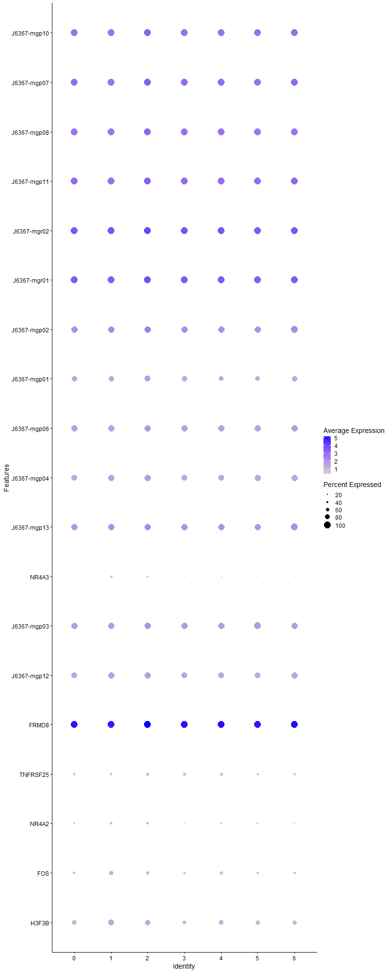
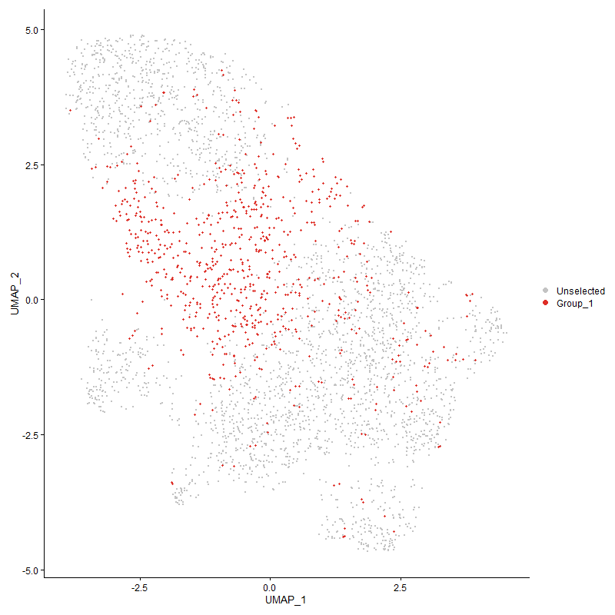
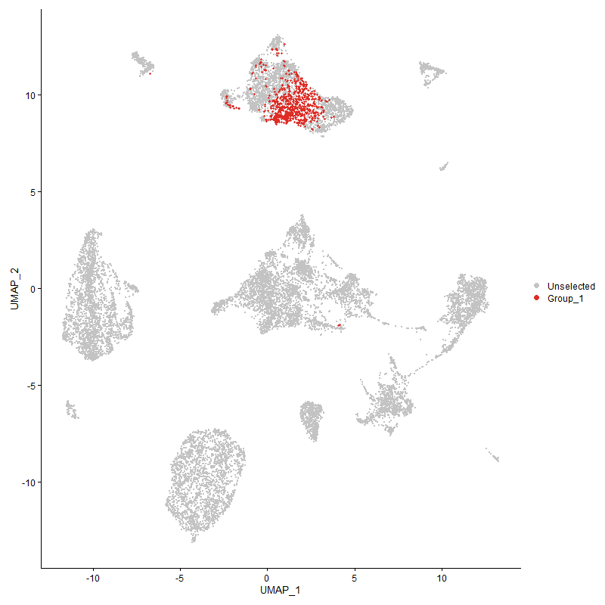
 | p_val | avg_log2FC | pct.1 | pct.2 | p_val_adj | cluster | gene
J6367-mgp10 | 1.154007239E-45 | 0.5649132932 | 1 | 1 | 1.7622844546E-41 | 2 | J6367-mgp10
J6367-mgp07 | 1.6745480428E-37 | 0.54566512446 | 1 | 1 | 2.5572023162E-33 | 2 | J6367-mgp07
J6367-mgp08 | 1.115137983E-40 | 0.53455720121 | 1 | 1 | 1.7029272139E-36 | 2 | J6367-mgp08
J6367-mgp11 | 1.0252752658E-53 | 0.52444239082 | 1 | 1 | 1.5656978584E-49 | 2 | J6367-mgp11
J6367-mgr02 | 1.1169312637E-25 | 0.52282902533 | 1 | 1 | 1.7056657328E-21 | 2 | J6367-mgr02
J6367-mgr01 | 7.0286067867E-30 | 0.49700448284 | 1 | 1 | 1.0733385424E-25 | 2 | J6367-mgr01
J6367-mgp02 | 1.2383465531E-31 | 0.48795840616 | 0.994 | 0.99 | 1.8910790212E-27 | 2 | J6367-mgp02
J6367-mgp01 | 1.4843186152E-15 | 0.46949491937 | 0.884 | 0.83 | 2.2667029572E-11 | 2 | J6367-mgp01
J6367-mgp06 | 1.3919719261E-22 | 0.39940097098 | 0.978 | 0.962 | 2.1256803284E-18 | 2 | J6367-mgp06
J6367-mgp04 | 2.7930763952E-29 | 0.39517273807 | 0.974 | 0.94 | 4.2653069631E-25 | 2 | J6367-mgp04
J6367-mgp13 | 2.945583232E-31 | 0.38604337998 | 0.997 | 0.99 | 4.4982001536E-27 | 2 | J6367-mgp13
NR4A31 | 2.7150945651E-07 | 0.36654922818 | 0.357 | 0.276 | 0.0041462209104 | 2 | NR4A3
J6367-mgp03 | 9.0124411284E-20 | 0.35441030321 | 0.983 | 0.979 | 1.3762898847E-15 | 2 | J6367-mgp03
J6367-mgp12 | 5.3336811929E-18 | 0.32827867866 | 0.959 | 0.938 | 8.1450645497E-14 | 2 | J6367-mgp12
FRMD8 | 2.8333851374E-41 | 0.28597859741 | 1 | 1 | 4.3268624433E-37 | 2 | FRMD8
TNFRSF25 | 2.1663810246E-07 | 0.28386041302 | 0.555 | 0.488 | 0.0033082804626 | 2 | TNFRSF25
NR4A2 | 6.0842122137E-09 | 0.28188344009 | 0.509 | 0.414 | 9.2912004715E-05 | 2 | NR4A2
FOS1 | 0.0028888777353 | 0.26394624065 | 0.556 | 0.534 | 1 | 2 | FOS
H3F3B1 | 2.9268253971E-08 | 0.25297573864 | 0.817 | 0.771 | 0.00044695550639 | 2 | H3F3B

Cluster3
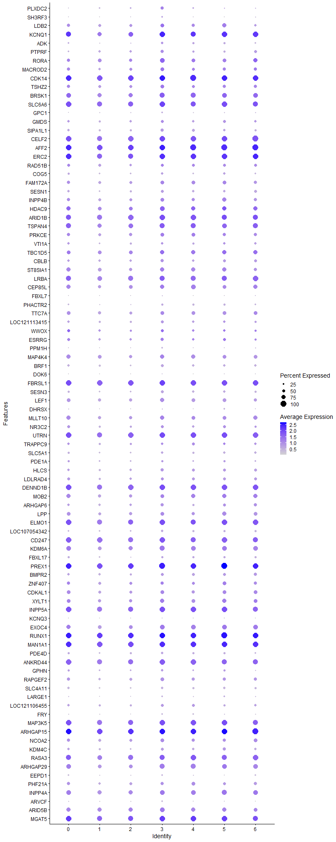
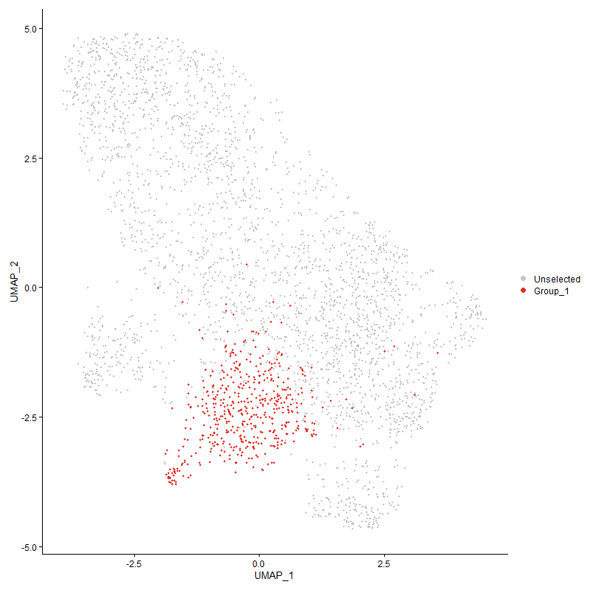
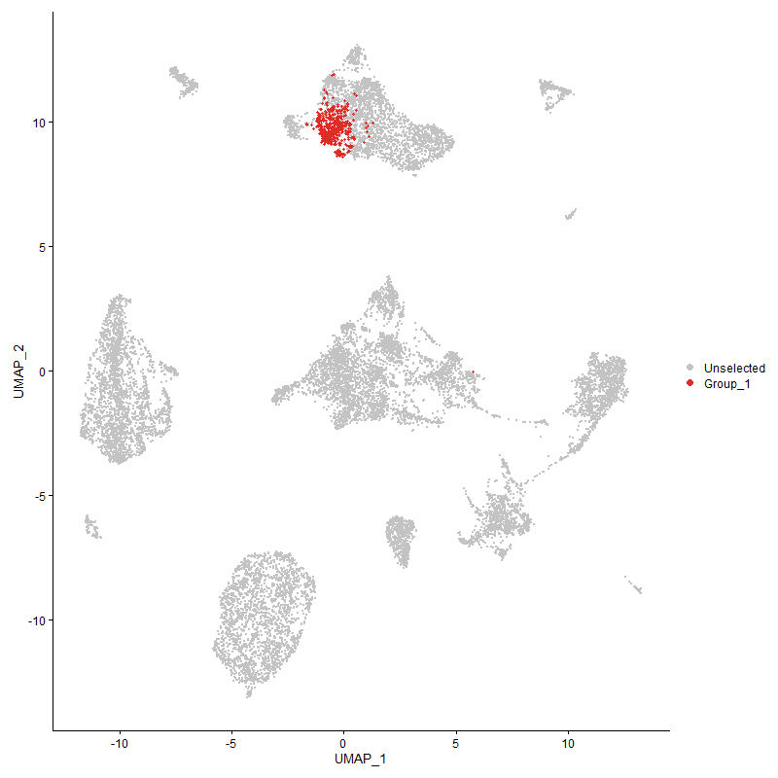
 | p_val | avg_log2FC | pct.1 | pct.2 | p_val_adj | cluster | gene
PLXDC2 | 1.0438503897E-72 | 1.0736656891 | 0.567 | 0.208 | 1.5940639301E-68 | 3 | PLXDC2
SH3RF3 | 9.3457757856E-24 | 0.74669175978 | 0.263 | 0.109 | 1.4271934202E-19 | 3 | SH3RF3
LDB2 | 2.2920889681E-20 | 0.71021467305 | 0.666 | 0.526 | 3.5002490632E-16 | 3 | LDB2
KCNQ11 | 3.8703859355E-45 | 0.70152768132 | 0.951 | 0.845 | 5.9104663621E-41 | 3 | KCNQ1
ADK | 1.0684696255E-21 | 0.68678874507 | 0.437 | 0.254 | 1.6316599651E-17 | 3 | ADK
PTPRF | 8.9525697918E-30 | 0.62092309541 | 0.605 | 0.374 | 1.3671469329E-25 | 3 | PTPRF
RORA | 2.2107267004E-23 | 0.60435550454 | 0.791 | 0.621 | 3.3760007442E-19 | 3 | RORA
MACROD2 | 3.7059202432E-14 | 0.53246274237 | 0.632 | 0.509 | 5.6593108034E-10 | 3 | MACROD2
CDK141 | 1.5304522917E-41 | 0.4937283909 | 0.994 | 0.974 | 2.3371536947E-37 | 3 | CDK14
TSHZ2 | 1.1396829133E-08 | 0.43852966537 | 0.619 | 0.532 | 0.0001740409777 | 3 | TSHZ2
BRSK1 | 1.3376861561E-16 | 0.43470924503 | 0.872 | 0.784 | 2.042780529E-12 | 3 | BRSK1
SLC6A6 | 1.3589665119E-21 | 0.42490329192 | 0.978 | 0.926 | 2.0752777603E-17 | 3 | SLC6A6
GPC1 | 1.6534727779E-15 | 0.42266274698 | 0.308 | 0.165 | 2.5250182791E-11 | 3 | GPC1
GMDS | 9.7818767615E-12 | 0.40932931444 | 0.532 | 0.392 | 1.4937904002E-07 | 3 | GMDS
SIPA1L1 | 4.1929177563E-18 | 0.4030229932 | 0.569 | 0.392 | 6.4030047056E-14 | 3 | SIPA1L1
CELF21 | 3.7382094167E-23 | 0.39385878302 | 0.976 | 0.936 | 5.7086196003E-19 | 3 | CELF2
AFF21 | 2.9136700491E-23 | 0.38164337226 | 0.994 | 0.981 | 4.449465532E-19 | 3 | AFF2
ERC21 | 2.2101579988E-12 | 0.37007122436 | 0.941 | 0.93 | 3.3751322799E-08 | 3 | ERC2
RAD51B1 | 0.0028090277505 | 0.36884675895 | 0.506 | 0.472 | 1 | 3 | RAD51B
COG5 | 1.166574498E-11 | 0.36640616621 | 0.443 | 0.307 | 1.7814759159E-07 | 3 | COG5
FAM172A | 1.1044750325E-09 | 0.36260582737 | 0.648 | 0.532 | 1.6866438222E-05 | 3 | FAM172A
SESN1 | 1.0919264855E-10 | 0.36257717498 | 0.496 | 0.361 | 1.667480936E-06 | 3 | SESN1
INPP4B | 2.5584014593E-11 | 0.3571861029 | 0.686 | 0.564 | 3.9069348685E-07 | 3 | INPP4B
HDAC91 | 3.9636249354E-10 | 0.35715110498 | 0.785 | 0.681 | 6.0528516389E-06 | 3 | HDAC9
ARID1B | 1.5329943213E-16 | 0.35116847304 | 0.951 | 0.908 | 2.341035628E-12 | 3 | ARID1B
TSPAN41 | 5.3998383861E-13 | 0.35083710091 | 0.901 | 0.834 | 8.2460931993E-09 | 3 | TSPAN4
PRKCE | 2.8644180069E-05 | 0.35013400404 | 0.63 | 0.576 | 0.43742527383 | 3 | PRKCE
VTI1A | 1.0356484833E-05 | 0.34758659832 | 0.445 | 0.367 | 0.15815387988 | 3 | VTI1A
TBC1D5 | 3.051672691E-10 | 0.34606620997 | 0.765 | 0.68 | 4.6602093664E-06 | 3 | TBC1D5
CBLB | 1.4672674164E-07 | 0.34258158699 | 0.557 | 0.455 | 0.0022406640716 | 3 | CBLB
ST8SIA11 | 4.221017297E-08 | 0.33852180335 | 0.731 | 0.664 | 0.00064459155143 | 3 | ST8SIA1
LRBA1 | 4.8176273025E-15 | 0.33752276205 | 0.919 | 0.865 | 7.3569986537E-11 | 3 | LRBA
CEP85L | 9.0048236487E-08 | 0.33675372351 | 0.743 | 0.667 | 0.0013751266194 | 3 | CEP85L
FBXL7 | 2.0570703875E-21 | 0.33671863091 | 0.217 | 0.079 | 3.1413521887E-17 | 3 | FBXL7
PHACTR2 | 1.7710073075E-08 | 0.33316948183 | 0.366 | 0.257 | 0.00027045052592 | 3 | PHACTR2
TTC7A | 2.0526033393E-09 | 0.33305235138 | 0.692 | 0.582 | 3.1345305594E-05 | 3 | TTC7A
LOC121113415 | 7.4796546159E-10 | 0.33166464528 | 0.5 | 0.372 | 1.1422180564E-05 | 3 | LOC121113415
WWOX1 | 0.00060769089704 | 0.3295218909 | 0.496 | 0.441 | 1 | 3 | WWOX
ESRRG | 2.8084830534E-07 | 0.32949408425 | 0.543 | 0.434 | 0.0042888344708 | 3 | ESRRG
PPM1H | 3.9447547764E-12 | 0.32662720457 | 0.241 | 0.124 | 6.024035019E-08 | 3 | PPM1H
MAP4K4 | 6.5236492315E-08 | 0.32491881924 | 0.749 | 0.669 | 0.00099622647414 | 3 | MAP4K4
BRF1 | 5.8969960152E-12 | 0.32364677626 | 0.496 | 0.352 | 9.0053026147E-08 | 3 | BRF1
DOK6 | 1.5607003796E-06 | 0.32010691971 | 0.103 | 0.05 | 0.023833455497 | 3 | DOK6
FBRSL1 | 3.944795449E-18 | 0.31999699376 | 0.986 | 0.966 | 6.0240971301E-14 | 3 | FBRSL1
SESN3 | 4.8944387414E-13 | 0.31927221292 | 0.494 | 0.34 | 7.474297402E-09 | 3 | SESN3
LEF1 | 1.038053293E-09 | 0.31898550882 | 0.723 | 0.621 | 1.5852111837E-05 | 3 | LEF1
DHRSX | 6.9299258878E-07 | 0.31596455686 | 0.233 | 0.15 | 0.010582689823 | 3 | DHRSX
MLLT10 | 6.3248436414E-10 | 0.31582762205 | 0.725 | 0.638 | 9.6586687248E-06 | 3 | MLLT10
NR3C21 | 1.7337527639E-06 | 0.31283840206 | 0.502 | 0.408 | 0.026476138457 | 3 | NR3C2
UTRN1 | 8.5100878651E-16 | 0.3120860116 | 0.97 | 0.938 | 1.2995755179E-11 | 3 | UTRN
TRAPPC9 | 0.00026859225554 | 0.31179953514 | 0.447 | 0.38 | 1 | 3 | TRAPPC9
SLC5A1 | 4.7109195157E-09 | 0.31123527573 | 0.447 | 0.336 | 7.1940451924E-05 | 3 | SLC5A1
PDE1A1 | 0.00096781437712 | 0.30712495463 | 0.348 | 0.282 | 1 | 3 | PDE1A
HLCS | 1.0958849201E-09 | 0.30620530972 | 0.553 | 0.419 | 1.6735258615E-05 | 3 | HLCS
LDLRAD4 | 6.2458740278E-06 | 0.30524819647 | 0.522 | 0.44 | 0.095380742278 | 3 | LDLRAD4
DENND1B1 | 6.9904392965E-17 | 0.30409325155 | 0.986 | 0.949 | 1.067509985E-12 | 3 | DENND1B
MOB2 | 3.3835990411E-06 | 0.30340327914 | 0.676 | 0.642 | 0.051670940956 | 3 | MOB2
ARHGAP6 | 4.4821386008E-08 | 0.30265072989 | 0.553 | 0.443 | 0.00068446738572 | 3 | ARHGAP6
LPP | 1.7760673246E-07 | 0.30059254325 | 0.672 | 0.586 | 0.0027122324114 | 3 | LPP
ELMO11 | 8.137850359E-12 | 0.30005927279 | 0.951 | 0.907 | 1.2427311283E-07 | 3 | ELMO1
LOC107054342 | 3.4062471942E-09 | 0.29886718652 | 0.435 | 0.309 | 5.2016800902E-05 | 3 | LOC107054342
CD247 | 4.3780975845E-09 | 0.29529586217 | 0.931 | 0.904 | 6.6857928213E-05 | 3 | CD247
KDM6A | 6.858806018E-12 | 0.29309278302 | 0.852 | 0.771 | 1.047408267E-07 | 3 | KDM6A
FBXL17 | 0.0014941714852 | 0.29218169582 | 0.334 | 0.285 | 1 | 3 | FBXL17
PREX11 | 4.5529551917E-18 | 0.29096136879 | 1 | 0.986 | 6.9528178732E-14 | 3 | PREX1
BMPR2 | 1.9220054563E-06 | 0.29039150106 | 0.54 | 0.442 | 0.029350945323 | 3 | BMPR2
ZNF407 | 0.0010730234392 | 0.28939569114 | 0.553 | 0.527 | 1 | 3 | ZNF407
CDKAL1 | 2.8303354371E-06 | 0.28886236697 | 0.636 | 0.561 | 0.04322205246 | 3 | CDKAL1
XYLT1 | 1.8159538882E-08 | 0.28751020449 | 0.729 | 0.618 | 0.00027731431827 | 3 | XYLT1
INPP5A1 | 2.4088642951E-13 | 0.28640639957 | 0.984 | 0.928 | 3.6785766651E-09 | 3 | INPP5A
KCNQ3 | 2.7211739826E-14 | 0.28319391551 | 0.132 | 0.045 | 4.1555047888E-10 | 3 | KCNQ3
EXOC4 | 1.0584269528E-10 | 0.28233363873 | 0.81 | 0.701 | 1.6163237996E-06 | 3 | EXOC4
RUNX1 | 8.5147510711E-16 | 0.28229291379 | 0.998 | 0.991 | 1.3002876361E-11 | 3 | RUNX1
MAN1A11 | 1.970633024E-11 | 0.2816701147 | 0.996 | 0.973 | 3.009353691E-07 | 3 | MAN1A1
PDE4D | 0.00064144723535 | 0.27965388892 | 0.389 | 0.333 | 1 | 3 | PDE4D
ANKRD44 | 3.30592015E-11 | 0.27949933699 | 0.953 | 0.906 | 5.0484706611E-07 | 3 | ANKRD44
GPHN | 2.7422095146E-05 | 0.27898179282 | 0.399 | 0.317 | 0.41876281497 | 3 | GPHN
RAPGEF2 | 1.4678660229E-07 | 0.27884604993 | 0.626 | 0.522 | 0.0022415782035 | 3 | RAPGEF2
SLC4A11 | 9.0001336061E-12 | 0.2788326242 | 0.462 | 0.314 | 1.374410403E-07 | 3 | SLC4A11
LARGE1 | 7.0305587717E-07 | 0.2760198648 | 0.269 | 0.182 | 0.0107363663 | 3 | LARGE1
LOC121106455 | 6.9215249823E-05 | 0.27580855032 | 0.466 | 0.388 | 1 | 3 | LOC121106455
FRY | 7.7629619614E-12 | 0.27566721578 | 0.291 | 0.163 | 1.1854819211E-07 | 3 | FRY
MAP3K51 | 9.5505164172E-10 | 0.27334671034 | 0.957 | 0.9 | 1.4584593621E-05 | 3 | MAP3K5
ARHGAP151 | 6.1418530483E-14 | 0.26405833375 | 0.992 | 0.983 | 9.3792237901E-10 | 3 | ARHGAP15
NCOA2 | 2.9825142911E-06 | 0.26227629641 | 0.634 | 0.562 | 0.045545975739 | 3 | NCOA2
KDM4C | 1.030451198E-06 | 0.26059707233 | 0.486 | 0.385 | 0.015736020245 | 3 | KDM4C
RASA31 | 3.2754888594E-06 | 0.2585638564 | 0.897 | 0.89 | 0.050019990372 | 3 | RASA3
ARHGAP29 | 3.7718736266E-09 | 0.25681085122 | 0.85 | 0.748 | 5.7600282152E-05 | 3 | ARHGAP29
EEPD1 | 5.3233143491E-06 | 0.25592411648 | 0.308 | 0.226 | 0.081292333425 | 3 | EEPD1
PHF21A | 0.00010213291677 | 0.25373145829 | 0.585 | 0.516 | 1 | 3 | PHF21A
INPP4A | 1.5997408838E-07 | 0.25325925033 | 0.832 | 0.753 | 0.0024429643037 | 3 | INPP4A
ARVCF | 4.2872433818E-13 | 0.25122420896 | 0.296 | 0.165 | 6.5470493684E-09 | 3 | ARVCF
ARID5B | 7.6985493938E-06 | 0.25035902559 | 0.771 | 0.723 | 0.11756454779 | 3 | ARID5B
MGAT51 | 3.9439690942E-07 | 0.2501610848 | 0.968 | 0.927 | 0.0060228352038 | 3 | MGAT5

Cluster4
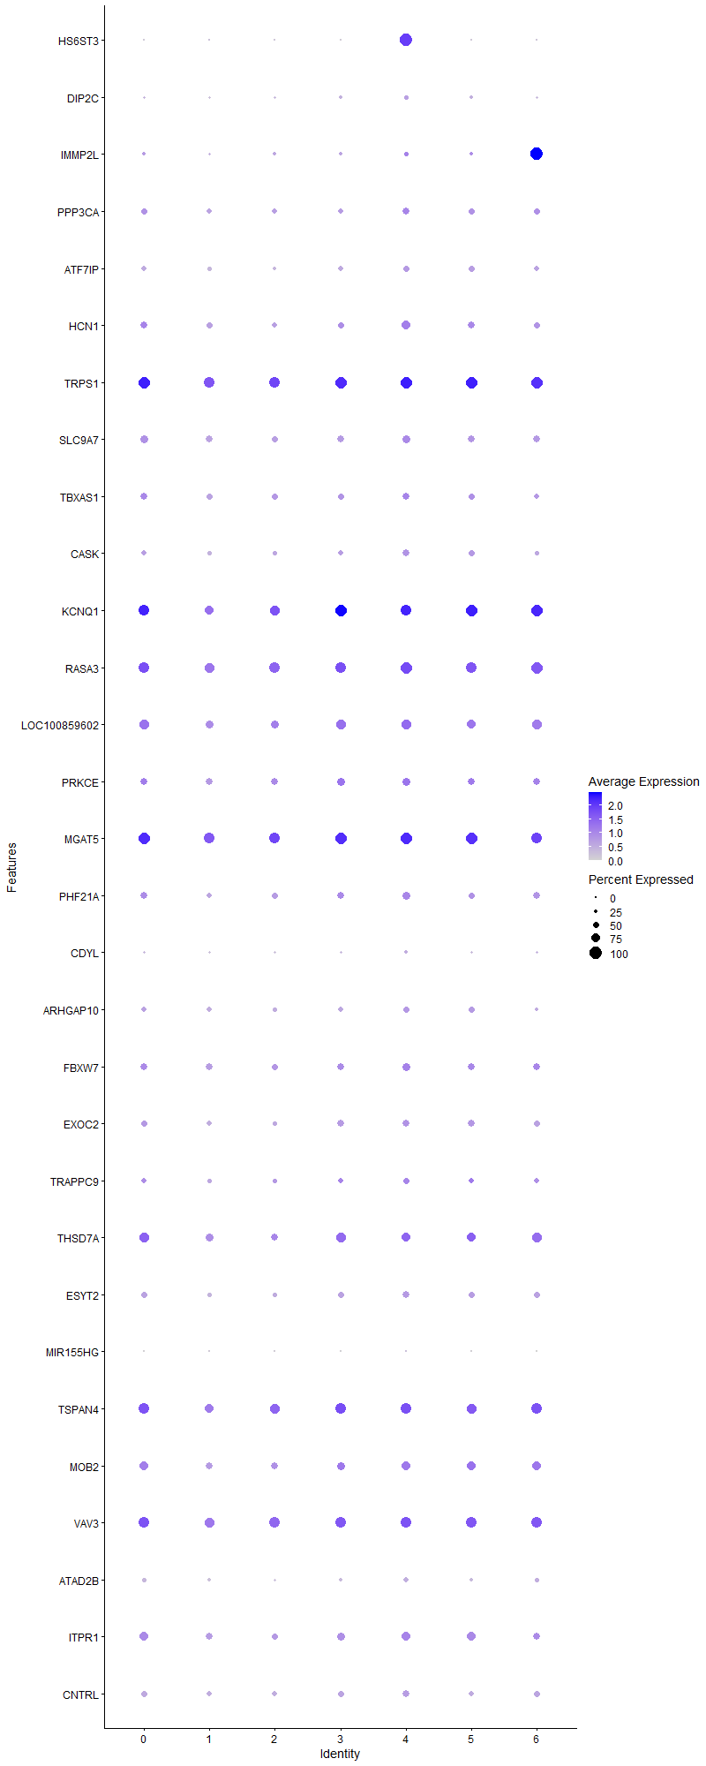
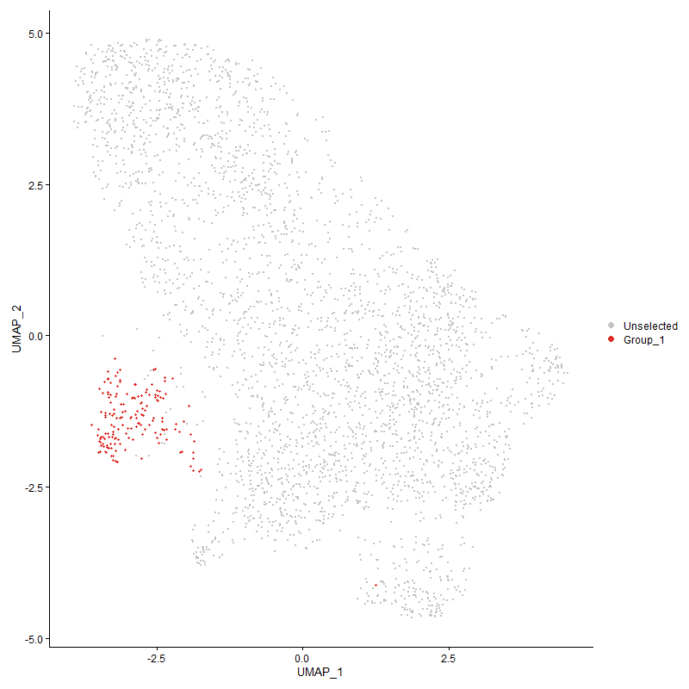
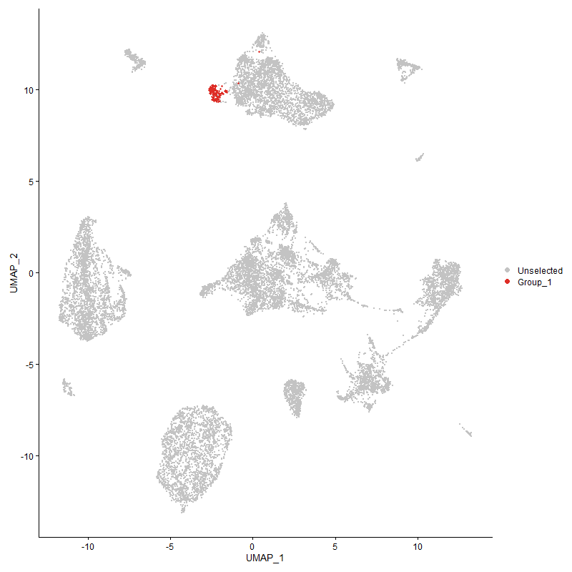
 | p_val | avg_log2FC | pct.1 | pct.2 | p_val_adj | cluster | gene
HS6ST3 | 7.0687982046E-298 | 2.5870357658 | 1 | 0.081 | 1.0794761738E-293 | 4 | HS6ST3
DIP2C | 3.6619770275E-05 | 0.44102778106 | 0.329 | 0.208 | 0.55922051186 | 4 | DIP2C
IMMP2L | 0.0011798183921 | 0.42671756238 | 0.373 | 0.273 | 1 | 4 | IMMP2L
PPP3CA | 0.001590376966 | 0.40238463362 | 0.534 | 0.433 | 1 | 4 | PPP3CA
ATF7IP | 1.4474776185E-05 | 0.39261391724 | 0.478 | 0.355 | 0.22104430712 | 4 | ATF7IP
HCN11 | 1.411918191E-05 | 0.37485885292 | 0.696 | 0.518 | 0.21561402695 | 4 | HCN1
TRPS11 | 1.3933198354E-05 | 0.33497296307 | 0.95 | 0.927 | 0.21277387206 | 4 | TRPS1
SLC9A7 | 0.00091326791246 | 0.31942067975 | 0.658 | 0.555 | 1 | 4 | SLC9A7
TBXAS11 | 0.0065957750607 | 0.31194117086 | 0.584 | 0.504 | 1 | 4 | TBXAS1
CASK | 6.9759993014E-07 | 0.31110700748 | 0.578 | 0.393 | 0.010653048533 | 4 | CASK
KCNQ12 | 0.00070793663012 | 0.3095098793 | 0.901 | 0.859 | 1 | 4 | KCNQ1
RASA32 | 2.6506687259E-07 | 0.30823715847 | 0.969 | 0.887 | 0.0040478362114 | 4 | RASA3
LOC100859602 | 7.0095956352E-05 | 0.30814426556 | 0.82 | 0.733 | 1 | 4 | LOC100859602
PRKCE1 | 0.0013969021447 | 0.28948992659 | 0.665 | 0.58 | 1 | 4 | PRKCE
MGAT52 | 0.00014188757801 | 0.28726261844 | 0.975 | 0.931 | 1 | 4 | MGAT5
PHF21A1 | 0.00043715234134 | 0.28694410313 | 0.652 | 0.519 | 1 | 4 | PHF21A
CDYL | 0.0052497834463 | 0.28547856001 | 0.267 | 0.187 | 1 | 4 | CDYL
ARHGAP10 | 0.0060503266541 | 0.28238261843 | 0.466 | 0.403 | 1 | 4 | ARHGAP10
FBXW7 | 0.00030015239152 | 0.27986216992 | 0.658 | 0.544 | 1 | 4 | FBXW7
EXOC2 | 0.008771336483 | 0.26845480235 | 0.54 | 0.463 | 1 | 4 | EXOC2
TRAPPC91 | 0.00027804489003 | 0.26844661792 | 0.528 | 0.383 | 1 | 4 | TRAPPC9
THSD7A1 | 0.0062207600024 | 0.26800956209 | 0.752 | 0.71 | 1 | 4 | THSD7A
ESYT2 | 0.0062922734883 | 0.26569734445 | 0.547 | 0.435 | 1 | 4 | ESYT2
MIR155HG | 6.3473658075E-05 | 0.2625520806 | 0.106 | 0.041 | 0.96930623246 | 4 | MIR155HG
TSPAN42 | 7.4097042109E-05 | 0.26244346029 | 0.907 | 0.841 | 1 | 4 | TSPAN4
MOB21 | 0.00031663464264 | 0.26157573025 | 0.727 | 0.643 | 1 | 4 | MOB2
VAV31 | 0.00023530370542 | 0.25975767496 | 0.919 | 0.861 | 1 | 4 | VAV3
ATAD2B | 5.4361101805E-07 | 0.25610279541 | 0.429 | 0.257 | 0.0083014838566 | 4 | ATAD2B
ITPR1 | 0.0049919063392 | 0.25459001529 | 0.72 | 0.617 | 1 | 4 | ITPR1
CNTRL | 0.0023610731915 | 0.25442004583 | 0.553 | 0.46 | 1 | 4 | CNTRL

Cluster5
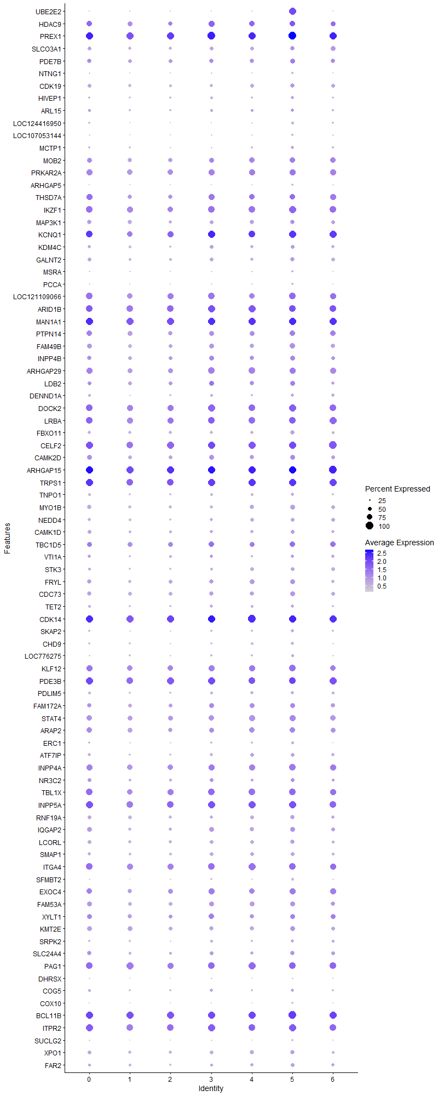
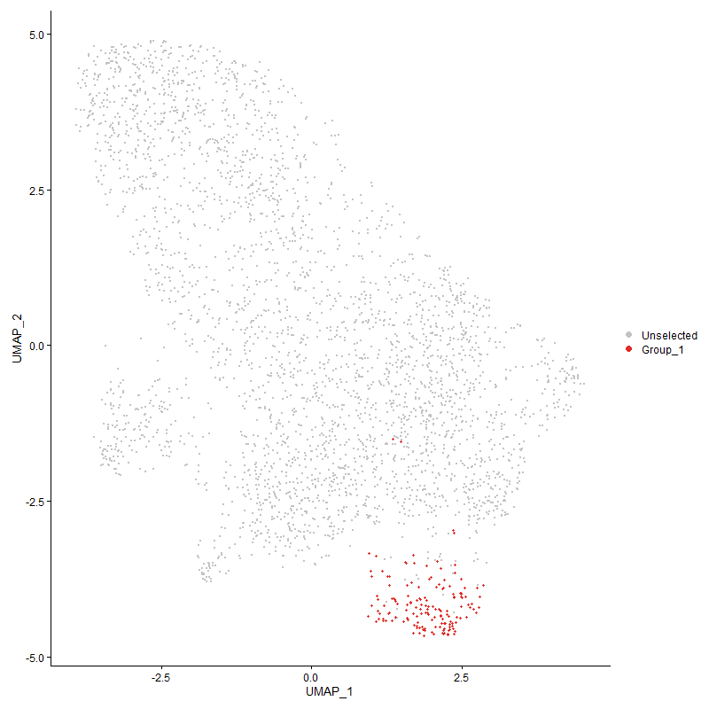
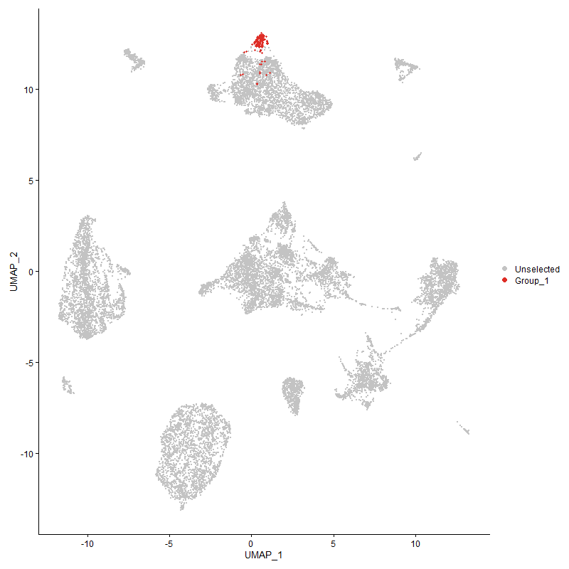
 | p_val | avg_log2FC | pct.1 | pct.2 | p_val_adj | cluster | gene
UBE2E2 | 9.0152450931E-241 | 2.5390571175 | 0.987 | 0.102 | 1.3767180782E-236 | 5 | UBE2E2
HDAC92 | 6.8587866694E-08 | 0.56365662688 | 0.765 | 0.694 | 0.0010474053123 | 5 | HDAC9
PREX12 | 5.1092870638E-13 | 0.53685273335 | 1 | 0.988 | 7.8023922751E-09 | 5 | PREX1
SLCO3A1 | 4.479671286E-06 | 0.49433890148 | 0.614 | 0.488 | 0.068409060209 | 5 | SLCO3A1
PDE7B | 9.9842666462E-05 | 0.46737502386 | 0.686 | 0.539 | 1 | 5 | PDE7B
NTNG1 | 1.270364906E-05 | 0.45557610204 | 0.281 | 0.155 | 0.19399742479 | 5 | NTNG1
CDK19 | 8.5906173989E-05 | 0.44314327493 | 0.556 | 0.455 | 1 | 5 | CDK19
HIVEP1 | 1.9603995371E-05 | 0.431082824 | 0.464 | 0.309 | 0.29937261331 | 5 | HIVEP1
ARL151 | 0.0013241714597 | 0.42508869504 | 0.418 | 0.324 | 1 | 5 | ARL15
LOC124416950 | 5.3423189558E-09 | 0.41151301455 | 0.386 | 0.205 | 8.1582552773E-05 | 5 | LOC124416950
LOC107053144 | 1.3548437603E-06 | 0.40337558264 | 0.314 | 0.175 | 0.020689819063 | 5 | LOC107053144
MCTP1 | 8.21860496E-06 | 0.39795516919 | 0.412 | 0.261 | 0.12550631634 | 5 | MCTP1
MOB22 | 6.1560346835E-06 | 0.3950374179 | 0.745 | 0.642 | 0.094008805652 | 5 | MOB2
PRKAR2A | 7.6255400821E-05 | 0.39283291696 | 0.837 | 0.756 | 1 | 5 | PRKAR2A
ARHGAP5 | 1.1473885264E-05 | 0.38442545938 | 0.255 | 0.14 | 0.17521770187 | 5 | ARHGAP5
THSD7A2 | 0.00094488078928 | 0.38442545938 | 0.765 | 0.71 | 1 | 5 | THSD7A
IKZF11 | 6.8252249563E-08 | 0.38201449508 | 0.941 | 0.832 | 0.0010422801031 | 5 | IKZF1
MAP3K1 | 0.0059655346429 | 0.37602821678 | 0.582 | 0.54 | 1 | 5 | MAP3K1
KCNQ13 | 1.3940299939E-07 | 0.37119902358 | 0.954 | 0.856 | 0.0021288232036 | 5 | KCNQ1
KDM4C1 | 1.6420762591E-05 | 0.36507459505 | 0.542 | 0.393 | 0.25076146553 | 5 | KDM4C
GALNT2 | 0.00014074337208 | 0.35881495353 | 0.562 | 0.452 | 1 | 5 | GALNT2
MSRA | 0.0071548468701 | 0.3531449031 | 0.281 | 0.199 | 1 | 5 | MSRA
PCCA | 1.958239038E-05 | 0.35192225284 | 0.301 | 0.172 | 0.29904268349 | 5 | PCCA
LOC121109066 | 1.4471659828E-05 | 0.35066076584 | 0.876 | 0.827 | 0.22099671723 | 5 | LOC121109066
ARID1B1 | 2.4338655231E-06 | 0.34690027451 | 0.922 | 0.914 | 0.037167560403 | 5 | ARID1B
MAN1A12 | 3.6862947854E-09 | 0.34148089231 | 0.987 | 0.976 | 5.6293407668E-05 | 5 | MAN1A1
PTPN141 | 0.00093371891865 | 0.33967097664 | 0.739 | 0.678 | 1 | 5 | PTPN14
FAM49B | 3.6360454897E-06 | 0.33753368437 | 0.712 | 0.583 | 0.055526050673 | 5 | FAM49B
INPP4B1 | 5.7324461199E-05 | 0.33019716925 | 0.699 | 0.576 | 0.87540184697 | 5 | INPP4B
ARHGAP291 | 1.7352409038E-06 | 0.32642818787 | 0.837 | 0.759 | 0.026498863842 | 5 | ARHGAP29
LDB21 | 0.00013818955581 | 0.32576292982 | 0.699 | 0.54 | 1 | 5 | LDB2
DENND1A | 0.00040586103021 | 0.32565249655 | 0.418 | 0.3 | 1 | 5 | DENND1A
DOCK21 | 1.340946735E-05 | 0.32550296152 | 0.948 | 0.887 | 0.2047759759 | 5 | DOCK2
LRBA2 | 3.7549473918E-05 | 0.32357520416 | 0.915 | 0.871 | 0.57341801621 | 5 | LRBA
FBXO11 | 2.4428941622E-05 | 0.32229425122 | 0.569 | 0.433 | 0.37305436751 | 5 | FBXO11
CELF22 | 5.0347360614E-07 | 0.32098565859 | 0.987 | 0.94 | 0.0076885454394 | 5 | CELF2
CAMK2D1 | 0.0002276106625 | 0.3209629732 | 0.699 | 0.572 | 1 | 5 | CAMK2D
ARHGAP152 | 1.1403228829E-06 | 0.31932534528 | 0.987 | 0.984 | 0.017413870745 | 5 | ARHGAP15
TRPS12 | 2.197326078E-06 | 0.31919909173 | 0.948 | 0.927 | 0.033555366537 | 5 | TRPS1
TNPO1 | 0.0022351795895 | 0.31721619817 | 0.425 | 0.328 | 1 | 5 | TNPO1
MYO1B | 1.5854589298E-05 | 0.31711425667 | 0.627 | 0.478 | 0.24211543317 | 5 | MYO1B
NEDD4 | 0.0010392274307 | 0.31651946952 | 0.497 | 0.399 | 1 | 5 | NEDD4
CAMK1D | 0.0010961043259 | 0.31508216684 | 0.51 | 0.421 | 1 | 5 | CAMK1D
TBC1D51 | 0.0075679931844 | 0.31494773215 | 0.745 | 0.69 | 1 | 5 | TBC1D5
VTI1A1 | 0.0052935529229 | 0.31402065517 | 0.451 | 0.375 | 1 | 5 | VTI1A
STK3 | 0.00058688135918 | 0.31381460588 | 0.477 | 0.351 | 1 | 5 | STK3
FRYL | 0.00027489752512 | 0.3137500132 | 0.66 | 0.536 | 1 | 5 | FRYL
CDC73 | 0.0010830867673 | 0.31367668169 | 0.634 | 0.553 | 1 | 5 | CDC73
TET2 | 0.0041815582658 | 0.31208776897 | 0.431 | 0.33 | 1 | 5 | TET2
CDK142 | 1.1871723859E-06 | 0.31005785379 | 0.98 | 0.977 | 0.018129309505 | 5 | CDK14
SKAP2 | 0.00013971735389 | 0.30867708472 | 0.405 | 0.274 | 1 | 5 | SKAP2
CHD9 | 2.6512272196E-06 | 0.30619313705 | 0.438 | 0.28 | 0.04048689087 | 5 | CHD9
LOC776275 | 0.0049786295787 | 0.30551395555 | 0.333 | 0.245 | 1 | 5 | LOC776275
KLF12 | 1.9146471104E-05 | 0.30516137857 | 0.863 | 0.787 | 0.29238576023 | 5 | KLF12
PDE3B1 | 0.00115085436 | 0.30475319237 | 0.922 | 0.934 | 1 | 5 | PDE3B
PDLIM5 | 0.0043911028312 | 0.30274523279 | 0.418 | 0.326 | 1 | 5 | PDLIM5
FAM172A1 | 0.00089267290864 | 0.30269811361 | 0.641 | 0.545 | 1 | 5 | FAM172A
STAT4 | 4.6255875485E-05 | 0.3003753631 | 0.797 | 0.709 | 0.70637347453 | 5 | STAT4
ARAP2 | 0.00034958305767 | 0.29793483287 | 0.771 | 0.664 | 1 | 5 | ARAP2
ERC1 | 0.00094723283371 | 0.29748871104 | 0.346 | 0.236 | 1 | 5 | ERC1
ATF7IP1 | 0.00027983069027 | 0.29534187131 | 0.477 | 0.355 | 1 | 5 | ATF7IP
INPP4A1 | 0.00026761097642 | 0.29154740866 | 0.863 | 0.76 | 1 | 5 | INPP4A
NR3C22 | 0.0055194206618 | 0.29065308237 | 0.503 | 0.418 | 1 | 5 | NR3C2
TBL1X1 | 0.0015348607751 | 0.28731492657 | 0.85 | 0.826 | 1 | 5 | TBL1X
INPP5A2 | 7.2626888546E-06 | 0.28402835433 | 0.987 | 0.933 | 0.1109085215 | 5 | INPP5A
RNF19A | 0.00029231725507 | 0.28161541675 | 0.595 | 0.477 | 1 | 5 | RNF19A
IQGAP2 | 0.0026080618179 | 0.28094193432 | 0.66 | 0.555 | 1 | 5 | IQGAP2
LCORL | 0.00041229187811 | 0.27902031308 | 0.595 | 0.469 | 1 | 5 | LCORL
SMAP1 | 0.00045212775196 | 0.27769140632 | 0.529 | 0.424 | 1 | 5 | SMAP1
ITGA41 | 9.7353714343E-05 | 0.27715494802 | 0.922 | 0.859 | 1 | 5 | ITGA4
SFMBT2 | 4.08009772E-06 | 0.27557992182 | 0.353 | 0.2 | 0.062307172282 | 5 | SFMBT2
EXOC41 | 0.00024085334637 | 0.27505027632 | 0.83 | 0.711 | 1 | 5 | EXOC4
FAM53A | 0.0027562824311 | 0.27362085434 | 0.667 | 0.564 | 1 | 5 | FAM53A
XYLT11 | 0.0047087868472 | 0.27326634266 | 0.699 | 0.632 | 1 | 5 | XYLT1
KMT2E | 0.00023929134787 | 0.26833427319 | 0.693 | 0.616 | 1 | 5 | KMT2E
SRPK2 | 0.0050946251434 | 0.26804923174 | 0.412 | 0.313 | 1 | 5 | SRPK2
SLC24A41 | 0.004807033969 | 0.26512150496 | 0.569 | 0.457 | 1 | 5 | SLC24A4
PAG1 | 0.00068354923896 | 0.26498203027 | 0.895 | 0.894 | 1 | 5 | PAG1
DHRSX1 | 0.0079517178588 | 0.26401180574 | 0.235 | 0.159 | 1 | 5 | DHRSX
COG51 | 0.0076437295485 | 0.26180741031 | 0.412 | 0.323 | 1 | 5 | COG5
COX10 | 6.0470786849E-07 | 0.26146912009 | 0.255 | 0.123 | 0.0092344938597 | 5 | COX10
BCL11B | 2.4150555323E-05 | 0.26126040399 | 1 | 0.966 | 0.36880313033 | 5 | BCL11B
ITPR21 | 0.00010556485326 | 0.2555177336 | 0.935 | 0.913 | 1 | 5 | ITPR2
SUCLG2 | 0.0012769363938 | 0.25273429676 | 0.255 | 0.162 | 1 | 5 | SUCLG2
XPO1 | 0.0067503107909 | 0.25236299447 | 0.595 | 0.481 | 1 | 5 | XPO1
FAR2 | 0.00051839719024 | 0.25006587186 | 0.51 | 0.368 | 1 | 5 | FAR2

Cluster6
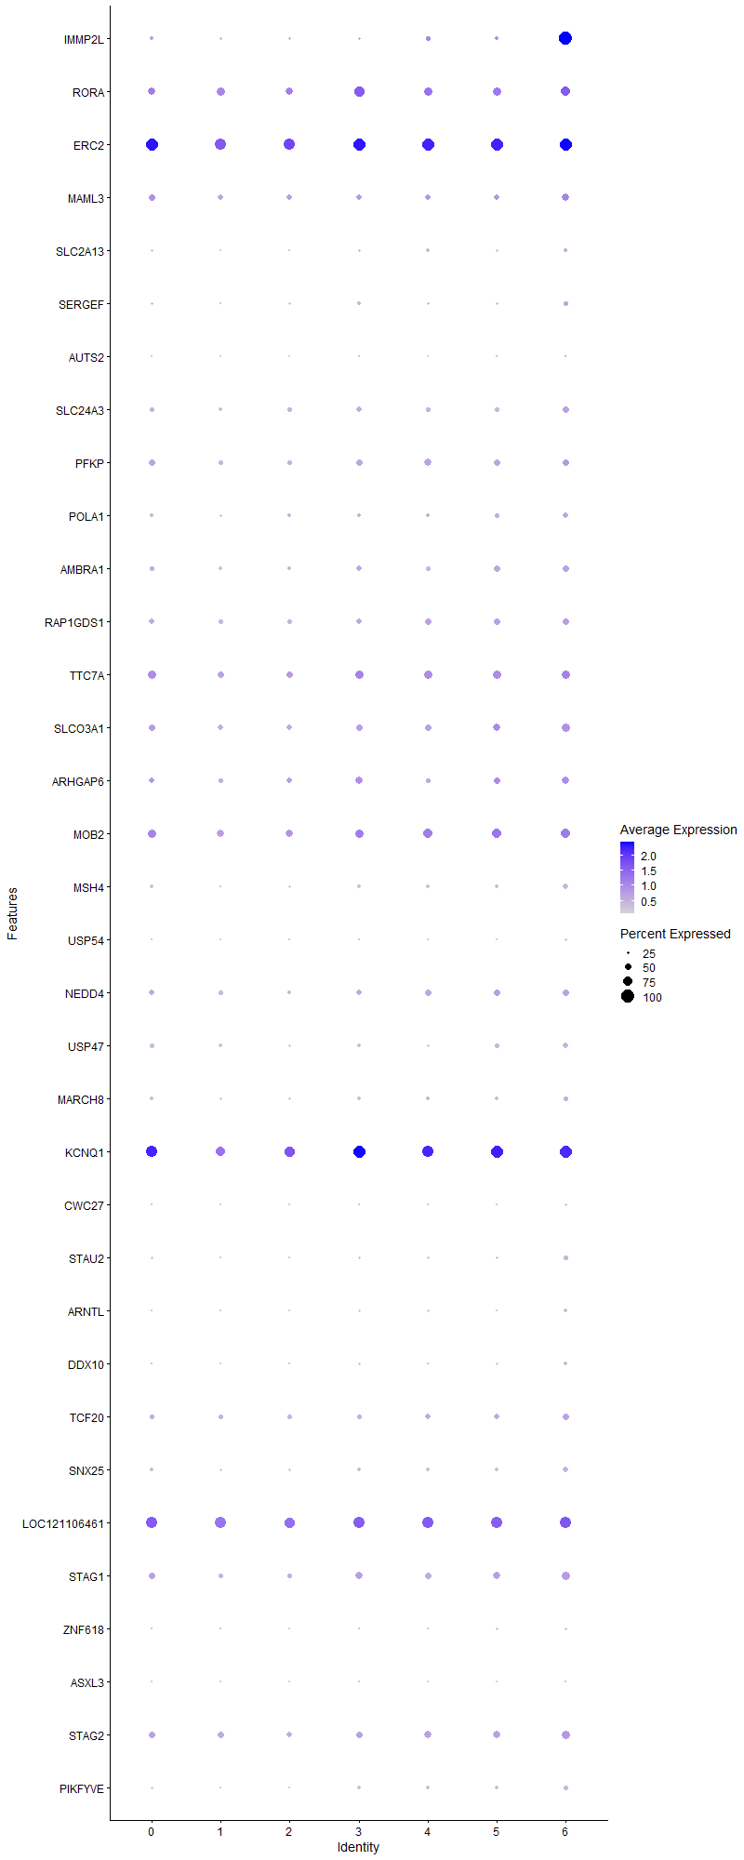
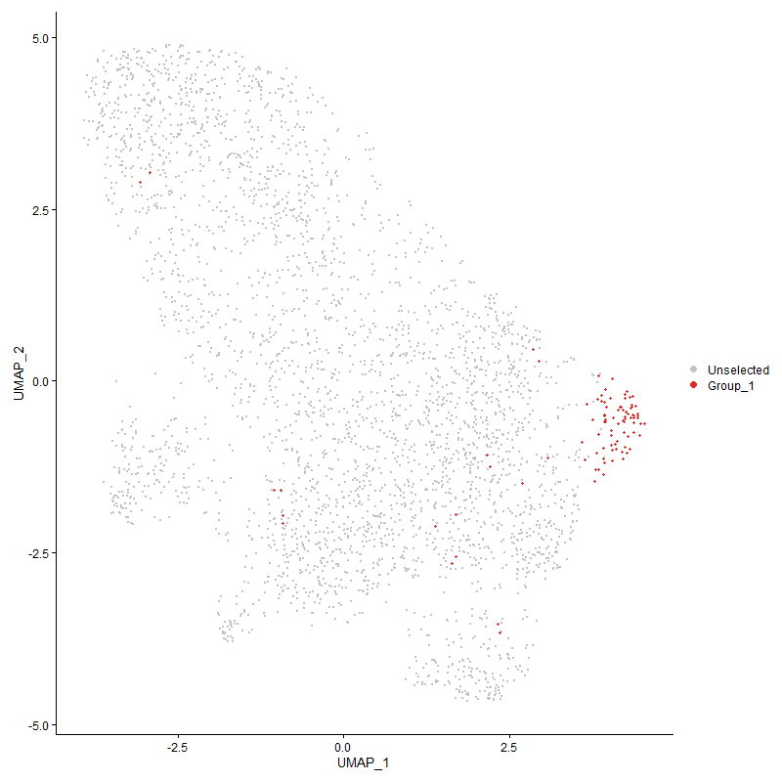
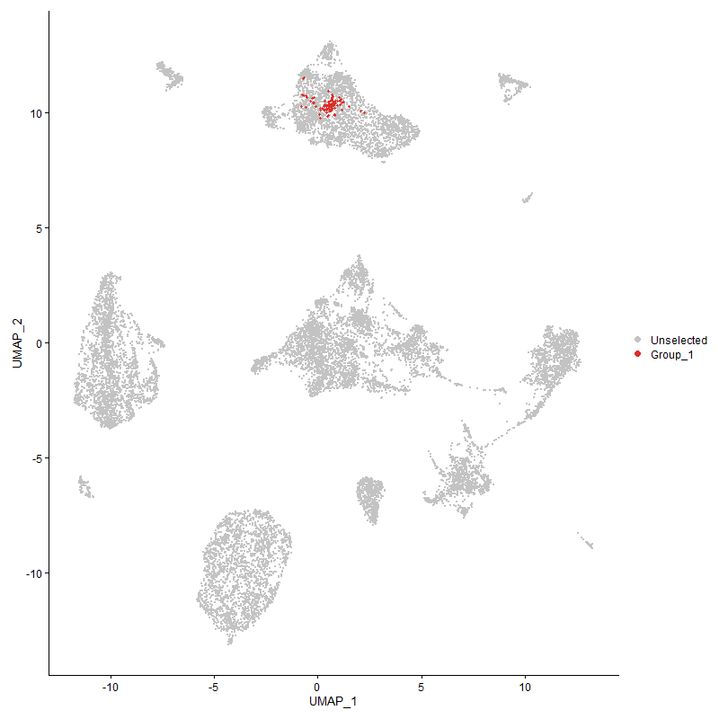
 | p_val | avg_log2FC | pct.1 | pct.2 | p_val_adj | cluster | gene
IMMP2L1 | 3.9533325528E-89 | 2.5664732742 | 1 | 0.257 | 6.0371341414E-85 | 6 | IMMP2L
RORA1 | 0.0012930056095 | 0.54312075039 | 0.71 | 0.644 | 1 | 6 | RORA
ERC22 | 7.7237871228E-06 | 0.44301810439 | 0.968 | 0.93 | 0.11794995315 | 6 | ERC2
MAML3 | 0.00061160896414 | 0.43955025924 | 0.581 | 0.459 | 1 | 6 | MAML3
SLC2A13 | 0.0009849929353 | 0.43017235928 | 0.29 | 0.178 | 1 | 6 | SLC2A13
SERGEF | 0.00064098264119 | 0.41024703552 | 0.344 | 0.212 | 1 | 6 | SERGEF
AUTS2 | 0.00016622588393 | 0.4046098455 | 0.151 | 0.059 | 1 | 6 | AUTS2
SLC24A3 | 0.0011663256382 | 0.35179306612 | 0.484 | 0.354 | 1 | 6 | SLC24A3
PFKP | 0.0056223690793 | 0.34862496878 | 0.527 | 0.461 | 1 | 6 | PFKP
POLA1 | 0.00058151110247 | 0.34725791995 | 0.43 | 0.272 | 1 | 6 | POLA1
AMBRA1 | 0.00013174425676 | 0.34401571553 | 0.527 | 0.37 | 1 | 6 | AMBRA1
RAP1GDS1 | 0.0091905283953 | 0.32480372872 | 0.495 | 0.404 | 1 | 6 | RAP1GDS1
TTC7A1 | 0.0096384513383 | 0.31484387177 | 0.656 | 0.597 | 1 | 6 | TTC7A
SLCO3A11 | 0.00027144218345 | 0.31259023031 | 0.688 | 0.488 | 1 | 6 | SLCO3A1
ARHGAP61 | 0.0024715320011 | 0.29772206325 | 0.602 | 0.455 | 1 | 6 | ARHGAP6
MOB23 | 0.0051362806779 | 0.29164754884 | 0.731 | 0.645 | 1 | 6 | MOB2
MSH4 | 9.307851752E-05 | 0.28139719271 | 0.419 | 0.246 | 1 | 6 | MSH4
USP54 | 1.4353876594E-05 | 0.28056734221 | 0.247 | 0.107 | 0.21919804946 | 6 | USP54
NEDD41 | 0.0016291588311 | 0.2749894981 | 0.538 | 0.4 | 1 | 6 | NEDD4
USP47 | 0.001294445992 | 0.27295207351 | 0.43 | 0.287 | 1 | 6 | USP47
MARCH8 | 0.0047591065057 | 0.26563232746 | 0.366 | 0.242 | 1 | 6 | MARCH8
KCNQ14 | 0.0079267746322 | 0.26101089055 | 0.968 | 0.858 | 1 | 6 | KCNQ1
CWC27 | 0.0047667235073 | 0.26006332887 | 0.204 | 0.111 | 1 | 6 | CWC27
STAU2 | 0.00022261012932 | 0.25853577258 | 0.355 | 0.2 | 1 | 6 | STAU2
ARNTL | 0.00023210673957 | 0.25827202935 | 0.28 | 0.149 | 1 | 6 | ARNTL
DDX10 | 0.0011759198263 | 0.25792604592 | 0.28 | 0.161 | 1 | 6 | DDX10
TCF20 | 0.0082179455749 | 0.25783683924 | 0.495 | 0.385 | 1 | 6 | TCF20
SNX25 | 0.00021434548539 | 0.25772019268 | 0.441 | 0.272 | 1 | 6 | SNX25
LOC1211064611 | 0.0011956193831 | 0.25683030784 | 0.914 | 0.858 | 1 | 6 | LOC121106461
STAG1 | 0.0015973819263 | 0.25574315486 | 0.634 | 0.447 | 1 | 6 | STAG1
ZNF618 | 0.0024196031818 | 0.25566437431 | 0.247 | 0.139 | 1 | 6 | ZNF618
ASXL3 | 8.4737538653E-05 | 0.25414504332 | 0.172 | 0.067 | 1 | 6 | ASXL3
STAG2 | 0.0030519401278 | 0.25110141368 | 0.656 | 0.506 | 1 | 6 | STAG2
PIKFYVE | 0.00024499196237 | 0.25025776312 | 0.344 | 0.199 | 1 | 6 | PIKFYVE

