Clustered cells
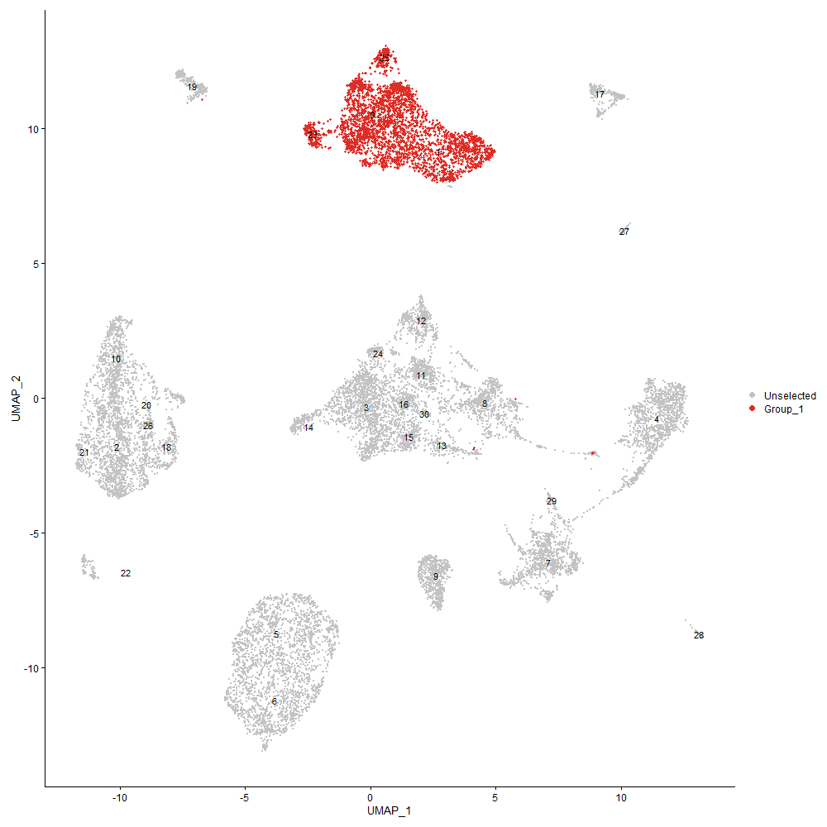
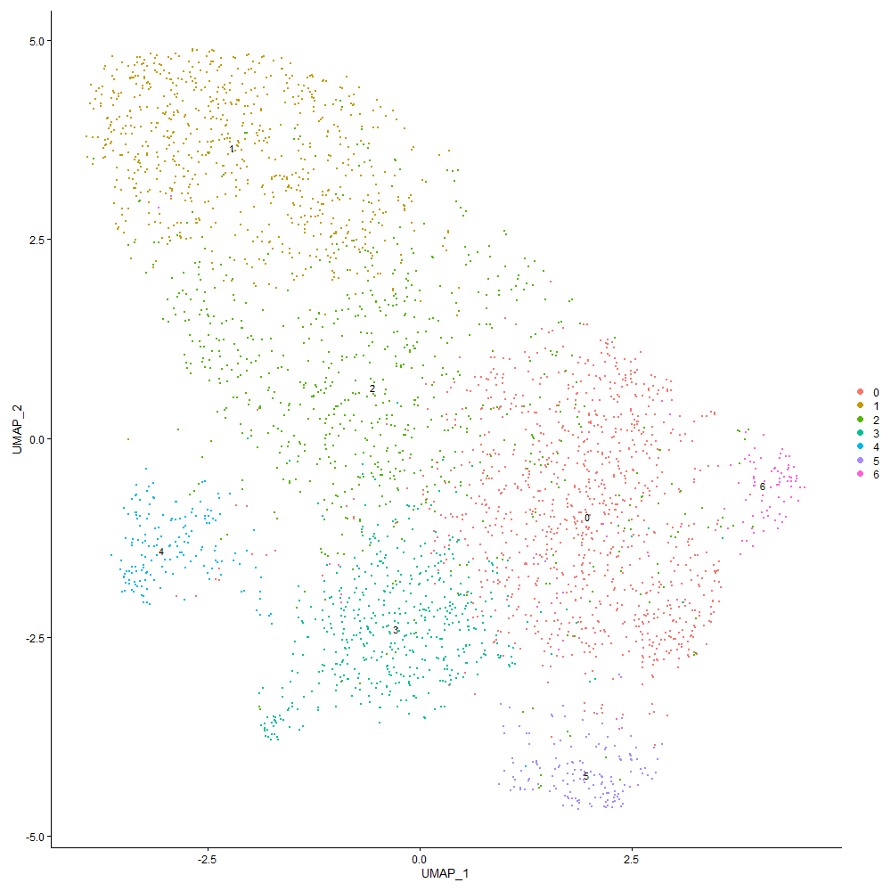
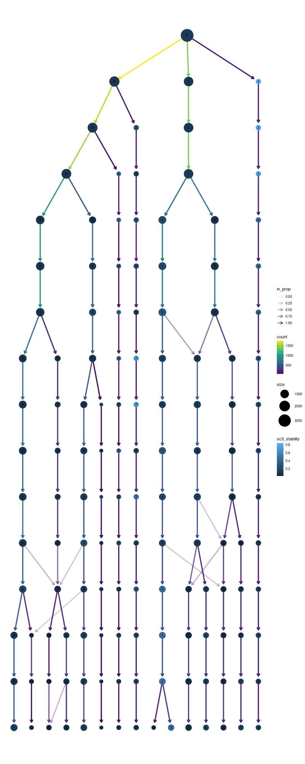

Cluster0
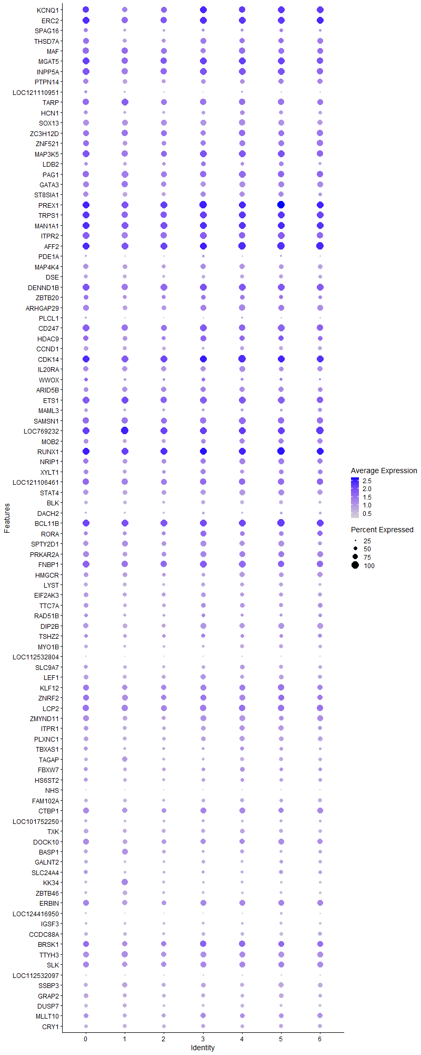
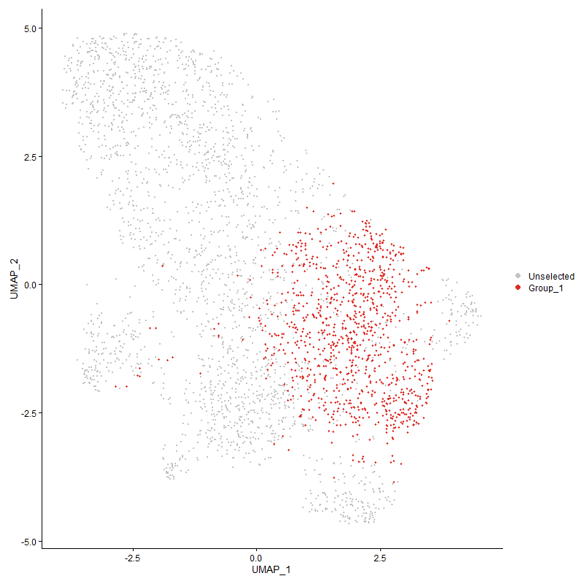
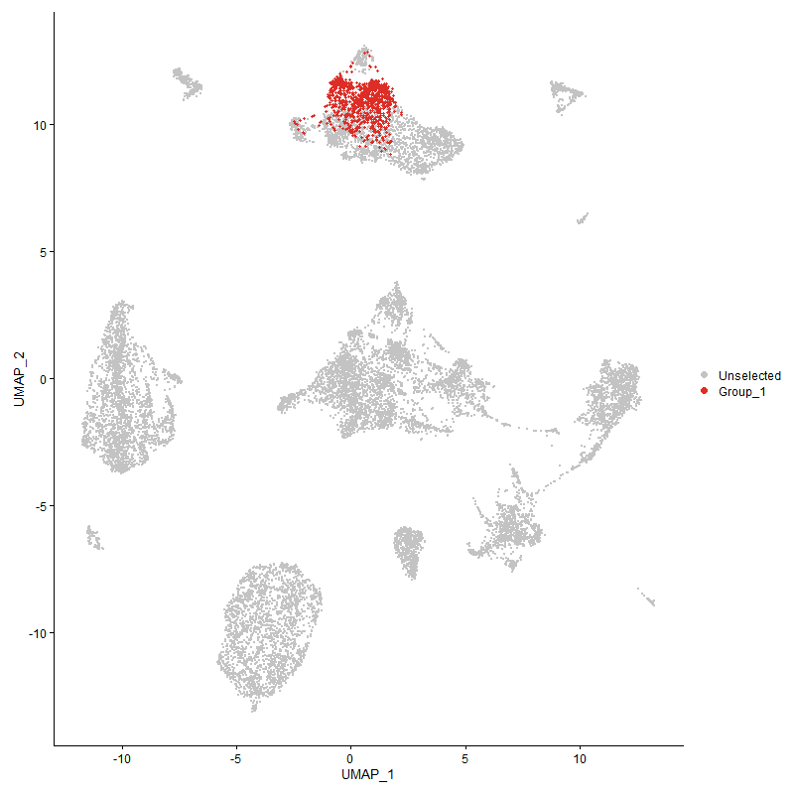
 | p_val | avg_log2FC | pct.1 | pct.2 | p_val_adj | cluster | gene
KCNQ1 | 0 | 2.3149458463 | 0.918 | 0.146 | 0 | 0 | KCNQ1
ERC2 | 0 | 1.8143508223 | 0.979 | 0.352 | 0 | 0 | ERC2
SPAG16 | 0 | 1.7283191434 | 0.63 | 0.068 | 0 | 0 | SPAG16
THSD7A | 0 | 1.6955431753 | 0.801 | 0.147 | 0 | 0 | THSD7A
MAF | 0 | 1.6470266587 | 0.876 | 0.171 | 0 | 0 | MAF
MGAT5 | 0 | 1.6084428092 | 0.964 | 0.615 | 0 | 0 | MGAT5
INPP5A | 0 | 1.4996224548 | 0.963 | 0.478 | 0 | 0 | INPP5A
PTPN14 | 0 | 1.4962822077 | 0.772 | 0.114 | 0 | 0 | PTPN14
LOC121110951 | 0 | 1.4906680813 | 0.463 | 0.038 | 0 | 0 | LOC121110951
TARP | 0 | 1.4498823873 | 0.893 | 0.25 | 0 | 0 | TARP
HCN1 | 0 | 1.298689195 | 0.607 | 0.081 | 0 | 0 | HCN1
SOX13 | 0 | 1.2550703911 | 0.828 | 0.131 | 0 | 0 | SOX13
ZC3H12D | 8.5314040342E-239 | 1.1600544373 | 0.827 | 0.383 | 1.3028307101E-234 | 0 | ZC3H12D
ZNF521 | 2.5897871646E-251 | 1.1589995546 | 0.826 | 0.329 | 3.9548639791E-247 | 0 | ZNF521
MAP3K5 | 1.0657102239E-218 | 1.1294442928 | 0.944 | 0.633 | 1.6274460829E-214 | 0 | MAP3K5
LDB2 | 0 | 1.1280376809 | 0.552 | 0.107 | 0 | 0 | LDB2
PAG1 | 5.61376925E-234 | 1.0947758107 | 0.895 | 0.487 | 8.5727870216E-230 | 0 | PAG1
GATA3 | 1.8682200551E-268 | 1.0810852018 | 0.82 | 0.329 | 2.8529588461E-264 | 0 | GATA3
ST8SIA1 | 2.1538348958E-282 | 1.0789977311 | 0.734 | 0.245 | 3.2891212694E-278 | 0 | ST8SIA1
PREX1 | 5.1145699534E-270 | 1.071015151 | 0.995 | 0.882 | 7.8104597758E-266 | 0 | PREX1
TRPS1 | 1.0458436667E-191 | 1.0587217028 | 0.958 | 0.723 | 1.5971078634E-187 | 0 | TRPS1
MAN1A1 | 1.7263724275E-232 | 1.0260671391 | 0.988 | 0.875 | 2.636343334E-228 | 0 | MAN1A1
ITPR2 | 6.9929493009E-222 | 1.0243791521 | 0.958 | 0.67 | 1.0678932877E-217 | 0 | ITPR2
AFF2 | 5.3841670375E-233 | 0.99631193352 | 0.991 | 0.857 | 8.222161483E-229 | 0 | AFF2
PDE1A | 4.0699284803E-291 | 0.99531315584 | 0.334 | 0.047 | 6.2151877823E-287 | 0 | PDE1A
MAP4K4 | 3.4816379115E-256 | 0.97146797551 | 0.724 | 0.254 | 5.3168092546E-252 | 0 | MAP4K4
DSE | 0 | 0.95375143562 | 0.614 | 0.118 | 0 | 0 | DSE
DENND1B | 3.755626319E-209 | 0.94466802727 | 0.973 | 0.79 | 5.7352169517E-205 | 0 | DENND1B
ZBTB20 | 1.7944505305E-104 | 0.92938890716 | 0.683 | 0.386 | 2.7403054051E-100 | 0 | ZBTB20
ARHGAP29 | 2.8417201782E-182 | 0.89317722107 | 0.813 | 0.401 | 4.3395908842E-178 | 0 | ARHGAP29
PLCL1 | 1.3409427983E-140 | 0.87539103862 | 0.333 | 0.089 | 2.0477537473E-136 | 0 | PLCL1
CD247 | 6.2037237667E-158 | 0.87317564091 | 0.931 | 0.537 | 9.4737065641E-154 | 0 | CD247
HDAC9 | 3.5913671074E-123 | 0.86670810094 | 0.727 | 0.37 | 5.4843767097E-119 | 0 | HDAC9
CCND1 | 8.5531711986E-269 | 0.86477427664 | 0.677 | 0.21 | 1.3061547737E-264 | 0 | CCND1
CDK14 | 7.9885161631E-173 | 0.85317741885 | 0.984 | 0.764 | 1.2199263033E-168 | 0 | CDK14
IL20RA | 3.5574181587E-185 | 0.85160844353 | 0.77 | 0.339 | 5.4325332702E-181 | 0 | IL20RA
WWOX | 1.1552958771E-38 | 0.85131294095 | 0.517 | 0.364 | 1.764252334E-34 | 0 | WWOX
ARID5B | 8.4947343267E-142 | 0.83599861506 | 0.705 | 0.356 | 1.297230879E-137 | 0 | ARID5B
ETS1 | 7.0384339135E-160 | 0.83174853 | 0.948 | 0.709 | 1.0748392429E-155 | 0 | ETS1
MAML3 | 3.1104933602E-133 | 0.82129478851 | 0.523 | 0.203 | 4.7500344103E-129 | 0 | MAML3
SAMSN1 | 1.1355031073E-130 | 0.80131756845 | 0.887 | 0.599 | 1.7340267951E-126 | 0 | SAMSN1
LOC769232 | 4.1219225316E-155 | 0.7878738291 | 0.988 | 0.753 | 6.294587898E-151 | 0 | LOC769232
MOB2 | 2.8617854319E-118 | 0.75880606725 | 0.701 | 0.38 | 4.3702325331E-114 | 0 | MOB2
RUNX1 | 1.238751525E-153 | 0.74042119797 | 0.995 | 0.918 | 1.8916974539E-149 | 0 | RUNX1
NRIP1 | 5.9407492713E-102 | 0.73375163078 | 0.787 | 0.496 | 9.0721182123E-98 | 0 | NRIP1
XYLT1 | 2.1496479061E-81 | 0.71422870967 | 0.675 | 0.407 | 3.2827273174E-77 | 0 | XYLT1
LOC121106461 | 1.2376240801E-105 | 0.70663269754 | 0.904 | 0.605 | 1.8899757326E-101 | 0 | LOC121106461
STAT4 | 3.0825091042E-135 | 0.70393299979 | 0.735 | 0.371 | 4.707299653E-131 | 0 | STAT4
BLK | 6.9545342633E-276 | 0.69648931502 | 0.514 | 0.116 | 1.0620269273E-271 | 0 | BLK
DACH2 | 7.2079771914E-106 | 0.68738559282 | 0.306 | 0.091 | 1.1007301969E-101 | 0 | DACH2
BCL11B | 1.2212770082E-114 | 0.67577326956 | 0.968 | 0.607 | 1.8650121192E-110 | 0 | BCL11B
RORA | 1.620300581E-68 | 0.66994607659 | 0.619 | 0.353 | 2.4743610172E-64 | 0 | RORA
SPTY2D1 | 3.2394976374E-112 | 0.66293867995 | 0.738 | 0.43 | 4.9470368421E-108 | 0 | SPTY2D1
PRKAR2A | 2.0013691423E-108 | 0.65930635178 | 0.795 | 0.463 | 3.0562908173E-104 | 0 | PRKAR2A
FNBP1 | 8.9733011172E-118 | 0.65866047657 | 0.958 | 0.772 | 1.3703128136E-113 | 0 | FNBP1
HMGCR | 4.6025722937E-83 | 0.64465306927 | 0.665 | 0.403 | 7.0285881498E-79 | 0 | HMGCR
LYST | 3.1414827968E-150 | 0.64420305227 | 0.614 | 0.257 | 4.7973583791E-146 | 0 | LYST
EIF2AK3 | 1.1911214196E-80 | 0.64076944605 | 0.648 | 0.382 | 1.8189615199E-76 | 0 | EIF2AK3
TTC7A | 5.5788472807E-88 | 0.639503411 | 0.656 | 0.373 | 8.5194576824E-84 | 0 | TTC7A
RAD51B | 8.8755858024E-35 | 0.63712122028 | 0.511 | 0.354 | 1.3553907079E-30 | 0 | RAD51B
DIP2B | 1.7800185337E-130 | 0.63548192843 | 0.772 | 0.429 | 2.7182663028E-126 | 0 | DIP2B
TSHZ2 | 2.5584209174E-79 | 0.63530971979 | 0.565 | 0.281 | 3.906964583E-75 | 0 | TSHZ2
MYO1B | 8.8767342038E-159 | 0.61710400913 | 0.563 | 0.203 | 1.3555660803E-154 | 0 | MYO1B
LOC112532804 | 5.3720901135E-49 | 0.61394310297 | 0.152 | 0.046 | 8.2037188123E-45 | 0 | LOC112532804
SLC9A7 | 1.4441338035E-89 | 0.60767149232 | 0.623 | 0.338 | 2.2053367313E-85 | 0 | SLC9A7
LEF1 | 2.1614222791E-120 | 0.60274474768 | 0.681 | 0.317 | 3.3007079624E-116 | 0 | LEF1
KLF12 | 2.2787960512E-92 | 0.59589107693 | 0.831 | 0.539 | 3.4799494498E-88 | 0 | KLF12
ZNRF2 | 3.4758605363E-74 | 0.59573748417 | 0.858 | 0.658 | 5.307986625E-70 | 0 | ZNRF2
LCP2 | 1.381314708E-93 | 0.59242453374 | 0.918 | 0.647 | 2.1094056906E-89 | 0 | LCP2
ZMYND11 | 1.7687746259E-93 | 0.58939043687 | 0.812 | 0.534 | 2.7010957313E-89 | 0 | ZMYND11
ITPR1 | 2.3548562813E-107 | 0.58781136571 | 0.691 | 0.349 | 3.5961010271E-103 | 0 | ITPR1
PLXNC1 | 9.03051353E-100 | 0.58502029711 | 0.659 | 0.348 | 1.3790497212E-95 | 0 | PLXNC1
TBXAS1 | 1.3732704221E-89 | 0.58450233899 | 0.59 | 0.29 | 2.0971212616E-85 | 0 | TBXAS1
TAGAP | 2.1254428226E-107 | 0.5786725242 | 0.54 | 0.244 | 3.2457637343E-103 | 0 | TAGAP
FBXW7 | 1.578076554E-58 | 0.57772221216 | 0.584 | 0.35 | 2.4098807055E-54 | 0 | FBXW7
HS6ST2 | 9.1082718351E-74 | 0.56987340443 | 0.588 | 0.324 | 1.3909241919E-69 | 0 | HS6ST2
NHS | 2.2402989852E-106 | 0.56937723338 | 0.16 | 0.028 | 3.4211605804E-102 | 0 | NHS
FAM102A | 5.9495565282E-103 | 0.56727716344 | 0.54 | 0.25 | 9.0855677742E-99 | 0 | FAM102A
CTBP1 | 7.0669134988E-78 | 0.56388688014 | 0.795 | 0.542 | 1.0791883604E-73 | 0 | CTBP1
LOC101752250 | 1.9090371307E-69 | 0.56044691005 | 0.453 | 0.219 | 2.9152906022E-65 | 0 | LOC101752250
TXK | 5.3544384627E-110 | 0.55266718598 | 0.641 | 0.314 | 8.1767629763E-106 | 0 | TXK
DOCK10 | 2.6036418759E-71 | 0.5503409639 | 0.795 | 0.575 | 3.9760215087E-67 | 0 | DOCK10
BASP1 | 2.3666139366E-95 | 0.54091676335 | 0.578 | 0.276 | 3.6140561426E-91 | 0 | BASP1
GALNT2 | 7.4562315693E-73 | 0.54015255426 | 0.526 | 0.276 | 1.1386411229E-68 | 0 | GALNT2
SLC24A4 | 4.8375392161E-91 | 0.53352913995 | 0.574 | 0.277 | 7.3874061369E-87 | 0 | SLC24A4
KK34 | 2.9144425339E-224 | 0.52622008247 | 0.425 | 0.09 | 4.4506451935E-220 | 0 | KK34
ZBTB46 | 2.8164598304E-141 | 0.5153879081 | 0.488 | 0.171 | 4.301015807E-137 | 0 | ZBTB46
ERBIN | 8.7137232335E-54 | 0.50996636342 | 0.797 | 0.617 | 1.330672675E-49 | 0 | ERBIN
LOC124416950 | 1.2896893406E-268 | 0.50871648504 | 0.312 | 0.043 | 1.969484592E-264 | 0 | LOC124416950
IGSF3 | 2.3530453323E-124 | 0.50537843149 | 0.411 | 0.137 | 3.593335527E-120 | 0 | IGSF3
CCDC88A | 2.3306980826E-79 | 0.49749556363 | 0.516 | 0.261 | 3.559209042E-75 | 0 | CCDC88A
BRSK1 | 1.5210100725E-63 | 0.49711956141 | 0.828 | 0.55 | 2.3227344817E-59 | 0 | BRSK1
TTYH3 | 8.0865618022E-66 | 0.49698978291 | 0.8 | 0.58 | 1.2348988528E-61 | 0 | TTYH3
SLK | 7.3865185161E-65 | 0.49618458132 | 0.838 | 0.677 | 1.1279952426E-60 | 0 | SLK
LOC112532097 | 1.8766784755E-43 | 0.49582754516 | 0.264 | 0.119 | 2.8658756999E-39 | 0 | LOC112532097
SSBP3 | 2.4238012376E-85 | 0.49403540876 | 0.62 | 0.332 | 3.7013868699E-81 | 0 | SSBP3
GRAP2 | 3.9595725007E-88 | 0.49337115461 | 0.651 | 0.337 | 6.0466631658E-84 | 0 | GRAP2
DUSP7 | 3.2133761636E-88 | 0.49204659135 | 0.492 | 0.228 | 4.9071467394E-84 | 0 | DUSP7
MLLT10 | 1.0687690934E-47 | 0.48906550891 | 0.707 | 0.514 | 1.6321172825E-43 | 0 | MLLT10
CRY1 | 1.5247934853E-90 | 0.48603417314 | 0.543 | 0.254 | 2.3285121313E-86 | 0 | CRY1
PLAG1 | 6.2854984492E-128 | 0.47779134504 | 0.278 | 0.067 | 9.5985846818E-124 | 0 | PLAG1
IPMK | 3.2787051446E-104 | 0.4766012206 | 0.474 | 0.194 | 5.0069106263E-100 | 0 | IPMK
ST6GAL1 | 8.2989774496E-49 | 0.46915166367 | 0.778 | 0.606 | 1.2673368463E-44 | 0 | ST6GAL1
LCLAT1 | 7.3417973955E-49 | 0.46830620445 | 0.556 | 0.348 | 1.1211658803E-44 | 0 | LCLAT1
PTPRF | 3.0612210539E-103 | 0.46785492246 | 0.273 | 0.074 | 4.6747906714E-99 | 0 | PTPRF
NCOA3 | 1.399818125E-63 | 0.46782887728 | 0.703 | 0.459 | 2.1376622586E-59 | 0 | NCOA3
PDPK1 | 1.1965475141E-52 | 0.46686297505 | 0.685 | 0.486 | 1.8272477087E-48 | 0 | PDPK1
PIK3C2A | 5.1986382143E-70 | 0.46648988289 | 0.466 | 0.234 | 7.938840417E-66 | 0 | PIK3C2A
LOC121113415 | 1.9023676245E-38 | 0.46617026008 | 0.41 | 0.24 | 2.9051055994E-34 | 0 | LOC121113415
GNAL | 1.3035221135E-50 | 0.46471701122 | 0.447 | 0.244 | 1.9906086195E-46 | 0 | GNAL
SLC9A9 | 1.1973663967E-36 | 0.46110828017 | 0.77 | 0.627 | 1.8284982244E-32 | 0 | SLC9A9
LOC101749809 | 5.0190702844E-64 | 0.45438351823 | 0.847 | 0.539 | 7.6646222314E-60 | 0 | LOC101749809
KAT6B | 4.4123165842E-57 | 0.45316538324 | 0.581 | 0.345 | 6.7380486557E-53 | 0 | KAT6B
ZMIZ1 | 6.6005967891E-14 | 0.45283831728 | 0.207 | 0.133 | 1.0079771357E-09 | 0 | ZMIZ1
FAM53A | 2.4047929418E-49 | 0.45212463193 | 0.635 | 0.421 | 3.6723593014E-45 | 0 | FAM53A
CD44 | 1.5638111693E-47 | 0.45179404663 | 0.997 | 0.971 | 2.3880960366E-43 | 0 | CD44
PPP1CB | 5.1268001123E-77 | 0.4515889911 | 0.547 | 0.284 | 7.8291364515E-73 | 0 | PPP1CB
EXTL3 | 1.29126805E-73 | 0.45157434704 | 0.564 | 0.298 | 1.9718954392E-69 | 0 | EXTL3
TNFAIP8 | 2.1596471407E-50 | 0.44673761955 | 0.499 | 0.305 | 3.2979971485E-46 | 0 | TNFAIP8
CDK19 | 6.7025235413E-47 | 0.44509212966 | 0.511 | 0.315 | 1.02354237E-42 | 0 | CDK19
ARHGEF3 | 4.612714348E-36 | 0.44299678051 | 0.843 | 0.639 | 7.0440760809E-32 | 0 | ARHGEF3
PTPRC | 1.2215009995E-67 | 0.43740017576 | 0.991 | 0.946 | 1.8653541764E-63 | 0 | PTPRC
ANKRD44 | 1.107618753E-57 | 0.43717360031 | 0.948 | 0.848 | 1.6914445977E-53 | 0 | ANKRD44
STXBP5 | 6.6323754275E-38 | 0.43684583828 | 0.746 | 0.573 | 1.0128300515E-33 | 0 | STXBP5
TNFRSF25 | 3.8975408391E-101 | 0.43525520709 | 0.427 | 0.16 | 5.9519346154E-97 | 0 | TNFRSF25
SLCO3A1 | 1.88999615E-48 | 0.43473058595 | 0.529 | 0.312 | 2.8862131206E-44 | 0 | SLCO3A1
GPHN | 2.6637716846E-21 | 0.43392830332 | 0.364 | 0.246 | 4.0678457395E-17 | 0 | GPHN
CRIM1 | 1.8155786404E-23 | 0.43299842618 | 0.381 | 0.247 | 2.7725701418E-19 | 0 | CRIM1
ARHGAP10 | 3.3882460071E-54 | 0.4312332854 | 0.429 | 0.221 | 5.1741904774E-50 | 0 | ARHGAP10
IL9R | 2.831879438E-239 | 0.43025654598 | 0.274 | 0.037 | 4.3245630898E-235 | 0 | IL9R
NFATC2 | 2.55868762E-72 | 0.42948342786 | 0.515 | 0.263 | 3.9073718644E-68 | 0 | NFATC2
PRR5L | 4.4855276093E-144 | 0.42827339424 | 0.315 | 0.077 | 6.8498492122E-140 | 0 | PRR5L
CDC73 | 1.1904381638E-43 | 0.42693078944 | 0.584 | 0.387 | 1.8179181199E-39 | 0 | CDC73
FAM171A1 | 1.8403174757E-210 | 0.42642854701 | 0.224 | 0.028 | 2.8103488172E-206 | 0 | FAM171A1
SLC5A1 | 2.8063720144E-58 | 0.42516590636 | 0.376 | 0.174 | 4.2856107033E-54 | 0 | SLC5A1
AKT3 | 1.0446417972E-117 | 0.4245783934 | 0.171 | 0.029 | 1.5952724885E-113 | 0 | AKT3
RB1 | 7.924325137E-44 | 0.42174070651 | 0.446 | 0.262 | 1.2101236917E-39 | 0 | RB1
EXT1 | 6.9657463586E-39 | 0.41852257319 | 0.435 | 0.256 | 1.0637391264E-34 | 0 | EXT1
BEND2 | 3.6439683534E-163 | 0.41700806086 | 0.299 | 0.063 | 5.5647040725E-159 | 0 | BEND2
GARRE1 | 7.9783233819E-65 | 0.41642373783 | 0.406 | 0.192 | 1.2183697636E-60 | 0 | GARRE1
IKZF1 | 3.1284377894E-43 | 0.41553570762 | 0.875 | 0.732 | 4.7774373483E-39 | 0 | IKZF1
RXRA | 1.6202872207E-70 | 0.41190725019 | 0.43 | 0.202 | 2.4743406147E-66 | 0 | RXRA
LOC121109066 | 3.6330169955E-53 | 0.41160393365 | 0.882 | 0.681 | 5.5479802538E-49 | 0 | LOC121109066
CCNL1 | 3.917607102E-25 | 0.40961632631 | 0.656 | 0.543 | 5.9825778055E-21 | 0 | CCNL1
NR4A2 | 1.0214020534E-28 | 0.40810124847 | 0.395 | 0.255 | 1.5597830757E-24 | 0 | NR4A2
INPP4B | 1.009264455E-52 | 0.40797872885 | 0.609 | 0.359 | 1.5412477492E-48 | 0 | INPP4B
MACROD2 | 8.0971483178E-24 | 0.40796547919 | 0.542 | 0.399 | 1.2365155196E-19 | 0 | MACROD2
ZNF704 | 4.3206800938E-35 | 0.40774898478 | 0.51 | 0.335 | 6.5981105712E-31 | 0 | ZNF704
ARL15 | 1.7597224228E-14 | 0.40701506547 | 0.384 | 0.288 | 2.6872721118E-10 | 0 | ARL15
SUPT3H | 3.8585429838E-26 | 0.40341010841 | 0.47 | 0.322 | 5.8923809905E-22 | 0 | SUPT3H
PQLC1 | 4.6574656666E-86 | 0.39788820894 | 0.298 | 0.1 | 7.1124158195E-82 | 0 | PQLC1
LOC776275 | 7.4347464998E-26 | 0.39745724467 | 0.21 | 0.106 | 1.135360138E-21 | 0 | LOC776275
TTC39B | 1.1507155707E-53 | 0.39595939372 | 0.479 | 0.265 | 1.7572577481E-49 | 0 | TTC39B
LRBA | 1.3435929987E-42 | 0.39368136058 | 0.904 | 0.787 | 2.0518008683E-38 | 0 | LRBA
PPP1R9A | 1.3645318932E-121 | 0.39091911601 | 0.267 | 0.065 | 2.083776654E-117 | 0 | PPP1R9A
SYTL2 | 1.060840216E-124 | 0.38916745801 | 0.267 | 0.063 | 1.6200090938E-120 | 0 | SYTL2
ARHGAP6 | 1.4907677327E-28 | 0.38568736345 | 0.461 | 0.303 | 2.2765514046E-24 | 0 | ARHGAP6
SLC29A4 | 4.8516451675E-132 | 0.3851943349 | 0.333 | 0.09 | 7.4089473353E-128 | 0 | SLC29A4
GRK4 | 9.195022182E-48 | 0.38335279525 | 0.735 | 0.522 | 1.4041718374E-43 | 0 | GRK4
CTDSPL | 5.5767792835E-39 | 0.38103191098 | 0.575 | 0.389 | 8.5162996439E-35 | 0 | CTDSPL
PDE8A | 8.2323068278E-32 | 0.37889322265 | 0.352 | 0.206 | 1.2571555757E-27 | 0 | PDE8A
NCKAP5 | 4.6878369953E-66 | 0.37563954686 | 0.142 | 0.033 | 7.1587958755E-62 | 0 | NCKAP5
PTEN | 9.1530580945E-36 | 0.37095823488 | 0.592 | 0.432 | 1.3977635016E-31 | 0 | PTEN
SESN3 | 1.6174953154E-51 | 0.36994082315 | 0.384 | 0.191 | 2.4700770961E-47 | 0 | SESN3
LBH | 1.7242752836E-70 | 0.36963317395 | 0.34 | 0.136 | 2.6331407856E-66 | 0 | LBH
CRTC1 | 5.6673388149E-72 | 0.36827488013 | 0.48 | 0.234 | 8.6545931043E-68 | 0 | CRTC1
PSIP1 | 7.0595820125E-45 | 0.36217545667 | 0.445 | 0.255 | 1.0780687691E-40 | 0 | PSIP1
BCAS3 | 5.5079709777E-19 | 0.35901711776 | 0.558 | 0.44 | 8.4112224801E-15 | 0 | BCAS3
TNFSF8 | 2.9109551491E-63 | 0.35774305363 | 0.37 | 0.162 | 4.4453196081E-59 | 0 | TNFSF8
SDK1 | 3.2242307872E-21 | 0.3565869904 | 0.458 | 0.32 | 4.9237228352E-17 | 0 | SDK1
CELF2 | 1.7148395096E-44 | 0.35589129639 | 0.956 | 0.918 | 2.6187314152E-40 | 0 | CELF2
ACTN1 | 2.0556881422E-31 | 0.35586501016 | 0.667 | 0.505 | 3.1392413619E-27 | 0 | ACTN1
ADD3 | 1.842360747E-24 | 0.35548284642 | 0.689 | 0.557 | 2.8134690968E-20 | 0 | ADD3
SLC38A6 | 3.367778934E-48 | 0.35491317413 | 0.502 | 0.285 | 5.1429352101E-44 | 0 | SLC38A6
GALNT1 | 5.4931188553E-41 | 0.35485096304 | 0.509 | 0.313 | 8.388541804E-37 | 0 | GALNT1
SREK1 | 1.6188295022E-50 | 0.35296318941 | 0.617 | 0.374 | 2.4721145328E-46 | 0 | SREK1
UBR5 | 9.1096507669E-30 | 0.35290136518 | 0.587 | 0.439 | 1.3911347686E-25 | 0 | UBR5
GNPTAB | 9.1869143996E-34 | 0.35287032854 | 0.387 | 0.234 | 1.402933698E-29 | 0 | GNPTAB
RABGAP1L | 1.2681326075E-35 | 0.34763010052 | 0.697 | 0.508 | 1.9365653049E-31 | 0 | RABGAP1L
KMT2C | 2.807069381E-41 | 0.34504658345 | 0.909 | 0.837 | 4.2866756517E-37 | 0 | KMT2C
CAMK2D | 1.2244238046E-28 | 0.34377669564 | 0.636 | 0.489 | 1.869817592E-24 | 0 | CAMK2D
FAM172A | 3.0047069336E-12 | 0.34314309587 | 0.556 | 0.481 | 4.5884879582E-08 | 0 | FAM172A
FAM107B | 5.0393756587E-17 | 0.34273572517 | 0.66 | 0.555 | 7.6956305684E-13 | 0 | FAM107B
PRKCQ | 1.1612704796E-34 | 0.33947635422 | 0.59 | 0.398 | 1.7733761494E-30 | 0 | PRKCQ
ANKRD28 | 4.0596355226E-34 | 0.33734159477 | 0.401 | 0.233 | 6.1994694066E-30 | 0 | ANKRD28
LCORL | 1.4882843073E-32 | 0.3356220621 | 0.509 | 0.337 | 2.2727589657E-28 | 0 | LCORL
NR3C2 | 4.6912426525E-18 | 0.33500321166 | 0.486 | 0.359 | 7.1639966546E-14 | 0 | NR3C2
ATRN | 1.0572018423E-28 | 0.33452687833 | 0.619 | 0.46 | 1.6144529334E-24 | 0 | ATRN
SOBP | 9.8536823941E-67 | 0.33444736691 | 0.184 | 0.051 | 1.5047558384E-62 | 0 | SOBP
TNFRSF9 | 1.5273820727E-67 | 0.33181499272 | 0.289 | 0.108 | 2.3324651633E-63 | 0 | TNFRSF9
RUNX2 | 1.3703077931E-34 | 0.32960588818 | 0.359 | 0.198 | 2.0925970308E-30 | 0 | RUNX2
CHN2 | 5.5648286156E-69 | 0.32910822551 | 0.347 | 0.139 | 8.4980497789E-65 | 0 | CHN2
PLEKHF2 | 1.1488796856E-94 | 0.32648935775 | 0.281 | 0.084 | 1.7544541679E-90 | 0 | PLEKHF2
PRKCB | 1.1063954688E-51 | 0.32549699014 | 0.428 | 0.219 | 1.6895765205E-47 | 0 | PRKCB
PHF21A | 3.1678762526E-19 | 0.32159233216 | 0.589 | 0.471 | 4.8376638254E-15 | 0 | PHF21A
SELP | 5.435744185E-42 | 0.32070548818 | 0.65 | 0.438 | 8.3009249449E-38 | 0 | SELP
ZCCHC24 | 9.8447716186E-29 | 0.31966897786 | 0.256 | 0.131 | 1.5033950739E-24 | 0 | ZCCHC24
NRK | 2.8939001334E-40 | 0.31902784406 | 0.958 | 0.845 | 4.4192748938E-36 | 0 | NRK
PARK2 | 3.3998356585E-05 | 0.31783701812 | 0.223 | 0.179 | 0.51918890341 | 0 | PARK2
NEDD4 | 1.1704655853E-30 | 0.31582421972 | 0.46 | 0.294 | 1.7874179953E-26 | 0 | NEDD4
FYN | 1.1285012398E-27 | 0.31572272273 | 0.822 | 0.697 | 1.7233342433E-23 | 0 | FYN
MAN1C1 | 1.1325068193E-55 | 0.31462921444 | 0.351 | 0.16 | 1.7294511638E-51 | 0 | MAN1C1
PFKP | 2.670401862E-32 | 0.31151272179 | 0.52 | 0.347 | 4.0779706834E-28 | 0 | PFKP
CYFIP1 | 2.0353654152E-39 | 0.30882053629 | 0.362 | 0.196 | 3.1082065255E-35 | 0 | CYFIP1
UBE2F | 4.8754219695E-51 | 0.30868943324 | 0.347 | 0.165 | 7.4452568896E-47 | 0 | UBE2F
MAP3K4 | 4.1753040115E-27 | 0.30846010135 | 0.433 | 0.281 | 6.376106756E-23 | 0 | MAP3K4
SMAP1 | 8.4981874403E-22 | 0.30830604389 | 0.478 | 0.35 | 1.297758204E-17 | 0 | SMAP1
LOC107054342 | 4.0787581035E-29 | 0.30781154911 | 0.306 | 0.171 | 6.2286714998E-25 | 0 | LOC107054342
LOC421419 | 1.4235577496E-34 | 0.30600395908 | 0.311 | 0.166 | 2.1739150394E-30 | 0 | LOC421419
GPR183 | 3.6152264969E-44 | 0.3059398569 | 0.335 | 0.163 | 5.5208123833E-40 | 0 | GPR183
FTO | 2.7502670919E-11 | 0.30570235023 | 0.231 | 0.156 | 4.199932876E-07 | 0 | FTO
ITGA4 | 1.3924652022E-38 | 0.30563630218 | 0.908 | 0.786 | 2.1264336103E-34 | 0 | ITGA4
SLC6A6 | 6.1208713847E-22 | 0.30390417907 | 0.951 | 0.881 | 9.3471826915E-18 | 0 | SLC6A6
ASPH | 7.2889588686E-43 | 0.30206827692 | 0.763 | 0.495 | 1.1130969088E-38 | 0 | ASPH
HTT | 5.6757578382E-28 | 0.30119952993 | 0.483 | 0.322 | 8.6674497947E-24 | 0 | HTT
PDSS2 | 1.6392533703E-16 | 0.29692321306 | 0.347 | 0.242 | 2.5033038217E-12 | 0 | PDSS2
TNFSF11 | 6.0086191726E-44 | 0.29639931683 | 0.315 | 0.15 | 9.1757623385E-40 | 0 | TNFSF11
FAR2 | 8.6790248981E-14 | 0.29469845663 | 0.403 | 0.3 | 1.3253738922E-09 | 0 | FAR2
PIAS1 | 1.4827916953E-24 | 0.29353095994 | 0.61 | 0.461 | 2.2643711978E-20 | 0 | PIAS1
BIRC2 | 2.9211335967E-27 | 0.293117421 | 0.451 | 0.296 | 4.4608631156E-23 | 0 | BIRC2
SLC38A2 | 2.4228102962E-24 | 0.29200261103 | 0.527 | 0.377 | 3.6998736034E-20 | 0 | SLC38A2
ATP2B1 | 7.509302461E-19 | 0.2901632472 | 0.649 | 0.526 | 1.1467455788E-14 | 0 | ATP2B1
ZAP70 | 4.6225889653E-78 | 0.29006450449 | 0.269 | 0.088 | 7.0591556089E-74 | 0 | ZAP70
ASAP1 | 2.0782206506E-13 | 0.2900478507 | 0.516 | 0.425 | 3.1736507555E-09 | 0 | ASAP1
MAP3K1 | 7.7957061658E-14 | 0.28893563987 | 0.592 | 0.493 | 1.1904822886E-09 | 0 | MAP3K1
AKAP13 | 9.3096697217E-36 | 0.28706937903 | 0.955 | 0.913 | 1.4216796632E-31 | 0 | AKAP13
TSPAN4 | 3.9287239666E-27 | 0.28594528117 | 0.884 | 0.779 | 5.9995543695E-23 | 0 | TSPAN4
LOC107053920 | 2.1620761767E-20 | 0.28506822842 | 0.249 | 0.145 | 3.3017065295E-16 | 0 | LOC107053920
CD82 | 5.2975541817E-33 | 0.28412613966 | 0.497 | 0.315 | 8.0898949909E-29 | 0 | CD82
ARVCF | 7.4388672279E-94 | 0.28384340864 | 0.173 | 0.036 | 1.1359894144E-89 | 0 | ARVCF
ZNF618 | 1.3522337939E-45 | 0.27845695573 | 0.17 | 0.058 | 2.0649962267E-41 | 0 | ZNF618
JAZF1 | 2.5662129679E-17 | 0.27812653212 | 0.226 | 0.132 | 3.9188638233E-13 | 0 | JAZF1
RASSF3 | 8.7108636552E-42 | 0.27740320574 | 0.235 | 0.1 | 1.3302359888E-37 | 0 | RASSF3
ZNF462 | 4.2657543856E-74 | 0.27617640786 | 0.184 | 0.048 | 6.5142335223E-70 | 0 | ZNF462
TPK1 | 2.9749214032E-14 | 0.27555209268 | 0.373 | 0.271 | 4.5430024748E-10 | 0 | TPK1
MGMT | 2.4045271927E-12 | 0.27505696407 | 0.324 | 0.234 | 3.671953476E-08 | 0 | MGMT
TBL1XR1 | 2.2582752389E-17 | 0.27490564207 | 0.575 | 0.466 | 3.4486121173E-13 | 0 | TBL1XR1
HERC2 | 2.3832685225E-29 | 0.27431606584 | 0.69 | 0.494 | 3.6394893607E-25 | 0 | HERC2
KLF9 | 4.1279800458E-60 | 0.27420694745 | 0.239 | 0.084 | 6.3038383279E-56 | 0 | KLF9
CNTRL | 1.6513138726E-28 | 0.27317296575 | 0.473 | 0.311 | 2.5217214148E-24 | 0 | CNTRL
HIVEP2 | 3.3240589789E-18 | 0.27232973128 | 0.817 | 0.716 | 5.0761704667E-14 | 0 | HIVEP2
LOC101749460 | 3.7199148383E-132 | 0.27191742773 | 0.186 | 0.03 | 5.6806819495E-128 | 0 | LOC101749460
MADD | 5.0238502669E-26 | 0.26936096986 | 0.422 | 0.271 | 7.6719217425E-22 | 0 | MADD
NFKB1 | 9.5098139717E-11 | 0.26893255202 | 0.807 | 0.758 | 1.4522436916E-06 | 0 | NFKB1
EGLN1 | 9.5685719443E-28 | 0.26876026191 | 0.407 | 0.256 | 1.4612166216E-23 | 0 | EGLN1
NEDD4L | 6.1803393567E-22 | 0.26809199774 | 0.269 | 0.158 | 9.4379962316E-18 | 0 | NEDD4L
ACSL3 | 4.2586502174E-26 | 0.2679758327 | 0.383 | 0.237 | 6.5033847469E-22 | 0 | ACSL3
CDC42SE2 | 2.4646854622E-13 | 0.26739508531 | 0.481 | 0.379 | 3.7638211694E-09 | 0 | CDC42SE2
PTPN7 | 2.5240438325E-46 | 0.26661354487 | 0.355 | 0.176 | 3.8544673366E-42 | 0 | PTPN7
CCDC171 | 3.1742626033E-15 | 0.26653272707 | 0.225 | 0.138 | 4.8474164215E-11 | 0 | CCDC171
ARID4B | 2.1629150335E-17 | 0.26440706551 | 0.616 | 0.496 | 3.3029875477E-13 | 0 | ARID4B
POC1B | 9.0610881715E-31 | 0.26435547125 | 0.229 | 0.11 | 1.3837187747E-26 | 0 | POC1B
FAM65B | 1.1626836018E-22 | 0.26386387686 | 0.728 | 0.577 | 1.7755341283E-18 | 0 | FAM65B
AIG1 | 2.3992655088E-15 | 0.26293096073 | 0.234 | 0.147 | 3.6639183584E-11 | 0 | AIG1
PCMTD1 | 1.913463318E-18 | 0.26121101946 | 0.647 | 0.506 | 2.9220498329E-14 | 0 | PCMTD1
PLCG1 | 1.0092111265E-41 | 0.26037624891 | 0.449 | 0.251 | 1.5411663113E-37 | 0 | PLCG1
ANKRD17 | 8.364495131E-21 | 0.25942589933 | 0.501 | 0.365 | 1.2773420515E-16 | 0 | ANKRD17
ID2 | 2.4956597135E-31 | 0.25895330371 | 0.385 | 0.227 | 3.8111219485E-27 | 0 | ID2
DUSP16 | 1.3256756511E-52 | 0.25762070125 | 0.176 | 0.056 | 2.0244392867E-48 | 0 | DUSP16
CLASP1 | 3.9021123015E-14 | 0.2575095521 | 0.33 | 0.236 | 5.9589156956E-10 | 0 | CLASP1
TLE4 | 7.31861497E-08 | 0.25750729838 | 0.469 | 0.401 | 0.0011176256921 | 0 | TLE4
SPTBN1 | 9.1977492934E-18 | 0.25375902812 | 0.797 | 0.728 | 1.4045882946E-13 | 0 | SPTBN1
MAGI3 | 9.6902212377E-31 | 0.25264477928 | 0.334 | 0.189 | 1.4797936852E-26 | 0 | MAGI3
KLF13 | 5.789744547E-15 | 0.25245122546 | 0.689 | 0.58 | 8.8415188978E-11 | 0 | KLF13
BBX | 1.8605743135E-11 | 0.25200935314 | 0.522 | 0.434 | 2.8412830341E-07 | 0 | BBX
FGGY | 9.416048013E-12 | 0.25186527797 | 0.247 | 0.172 | 1.4379246921E-07 | 0 | FGGY
IFNGR1 | 8.6021842008E-22 | 0.25082197829 | 0.452 | 0.318 | 1.3136395493E-17 | 0 | IFNGR1
NTNG1 | 5.3626305926E-11 | 0.25051614848 | 0.19 | 0.122 | 8.1892731779E-07 | 0 | NTNG1
VWC2L | 3.4430136115E-158 | 0.25018671208 | 0.15 | 0.016 | 5.2578260861E-154 | 0 | VWC2L

Cluster1
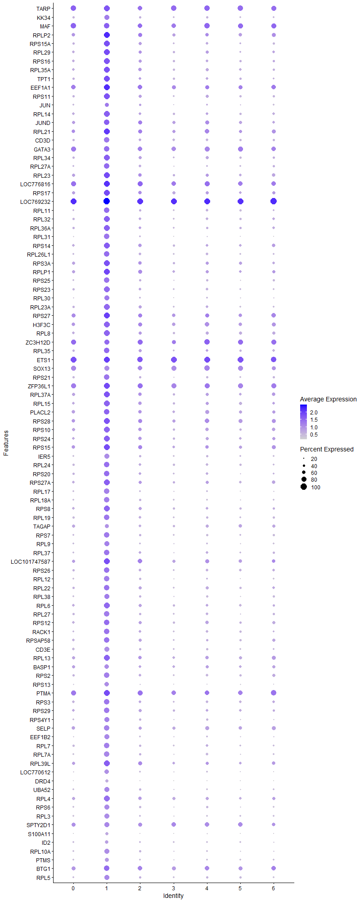
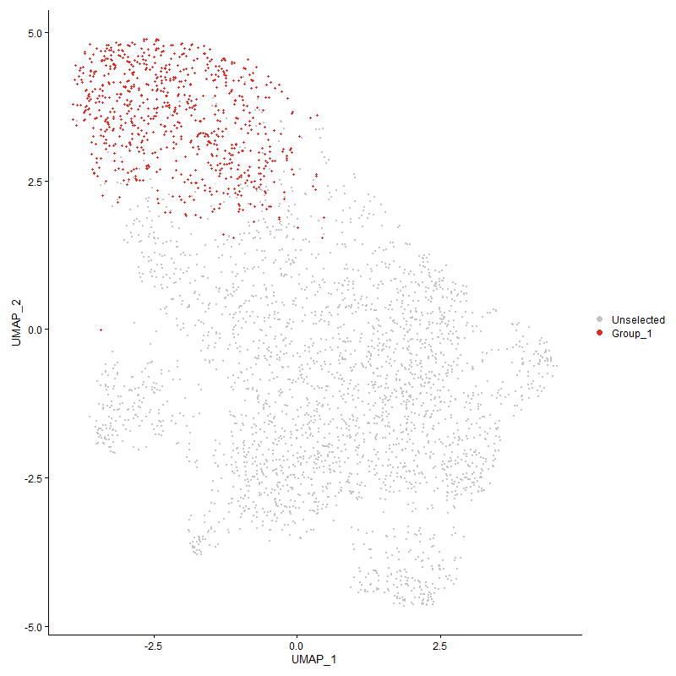
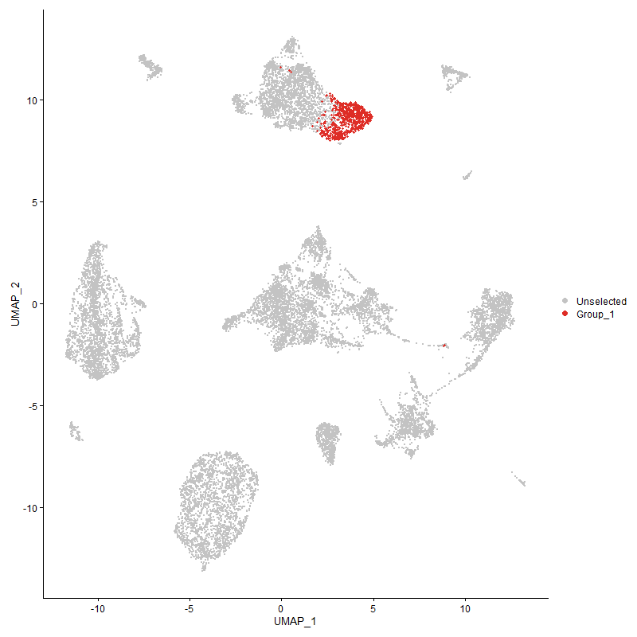
 | p_val | avg_log2FC | pct.1 | pct.2 | p_val_adj | cluster | gene
TARP1 | 0 | 1.6560153829 | 0.959 | 0.258 | 0 | 1 | TARP
KK341 | 0 | 1.6534281275 | 0.86 | 0.076 | 0 | 1 | KK34
MAF1 | 0 | 1.6482739888 | 0.916 | 0.181 | 0 | 1 | MAF
RPLP2 | 1.820923356E-301 | 1.494777898 | 0.989 | 0.697 | 2.780732057E-297 | 1 | RPLP2
RPS15A | 4.8834051122E-304 | 1.4720773366 | 0.967 | 0.506 | 7.4574479468E-300 | 1 | RPS15A
RPL29 | 1.4631392274E-279 | 1.4210048534 | 0.962 | 0.554 | 2.2343599141E-275 | 1 | RPL29
RPS16 | 1.8800250357E-284 | 1.4166481987 | 0.952 | 0.513 | 2.870986232E-280 | 1 | RPS16
RPL35A | 8.4779455304E-291 | 1.4061046361 | 0.965 | 0.545 | 1.2946670619E-286 | 1 | RPL35A
TPT1 | 4.8671956879E-267 | 1.3994062543 | 0.962 | 0.551 | 7.432694535E-263 | 1 | TPT1
EEF1A1 | 1.6722340497E-280 | 1.3799584938 | 0.992 | 0.752 | 2.5536686172E-276 | 1 | EEF1A1
RPS11 | 1.8728129427E-275 | 1.3601302073 | 0.959 | 0.544 | 2.8599726448E-271 | 1 | RPS11
JUN | 7.4164371696E-165 | 1.3533271885 | 0.684 | 0.29 | 1.1325641202E-160 | 1 | JUN
RPL14 | 4.0894469372E-276 | 1.3308968293 | 0.948 | 0.492 | 6.2449944178E-272 | 1 | RPL14
JUND | 1.3962162328E-194 | 1.282689149 | 0.911 | 0.55 | 2.1321618092E-190 | 1 | JUND
RPL21 | 8.9553830026E-254 | 1.2778972955 | 0.98 | 0.705 | 1.3675765383E-249 | 1 | RPL21
CD3D | 0 | 1.2754858209 | 0.914 | 0.322 | 0 | 1 | CD3D
GATA31 | 4.5041358396E-306 | 1.2738814566 | 0.925 | 0.332 | 6.8782658406E-302 | 1 | GATA3
RPL34 | 1.7834341407E-250 | 1.2698852477 | 0.939 | 0.515 | 2.7234822762E-246 | 1 | RPL34
RPL27A | 3.8373389863E-258 | 1.2626968596 | 0.905 | 0.43 | 5.860000366E-254 | 1 | RPL27A
RPL23 | 2.5301132583E-251 | 1.2560510431 | 0.978 | 0.635 | 3.8637359568E-247 | 1 | RPL23
LOC776816 | 4.004581627E-279 | 1.2552406605 | 0.999 | 0.775 | 6.1153966025E-275 | 1 | LOC776816
RPS17 | 6.6628646244E-253 | 1.2492528799 | 0.98 | 0.636 | 1.0174860568E-248 | 1 | RPS17
LOC7692321 | 2.34319492E-235 | 1.2476396653 | 1 | 0.757 | 3.5782929623E-231 | 1 | LOC769232
RPL11 | 2.6151664408E-250 | 1.2412587515 | 0.905 | 0.437 | 3.9936206717E-246 | 1 | RPL11
RPL32 | 7.6789057256E-250 | 1.2403974964 | 0.946 | 0.523 | 1.1726456934E-245 | 1 | RPL32
RPL36A | 1.5557503808E-248 | 1.2337645176 | 0.937 | 0.497 | 2.3757864065E-244 | 1 | RPL36A
RPL31 | 3.2563846732E-268 | 1.2301332954 | 0.879 | 0.361 | 4.9728250345E-264 | 1 | RPL31
RPS14 | 4.7297878942E-232 | 1.2108064632 | 0.948 | 0.57 | 7.2228590933E-228 | 1 | RPS14
RPL26L1 | 1.136527488E-255 | 1.2057594373 | 0.924 | 0.47 | 1.7355911269E-251 | 1 | RPL26L1
RPS3A | 1.2720410541E-237 | 1.1991165861 | 0.978 | 0.629 | 1.9425338937E-233 | 1 | RPS3A
RPLP1 | 7.7061855883E-217 | 1.1932461373 | 0.96 | 0.674 | 1.1768116012E-212 | 1 | RPLP1
RPS25 | 3.1294460937E-248 | 1.1806631181 | 0.898 | 0.432 | 4.7789771297E-244 | 1 | RPS25
RPS23 | 2.1645998888E-252 | 1.1760689834 | 0.947 | 0.483 | 3.3055604902E-248 | 1 | RPS23
RPL30 | 3.7561020822E-241 | 1.1596230544 | 0.866 | 0.373 | 5.7359434897E-237 | 1 | RPL30
RPL23A | 1.9579042636E-253 | 1.1586963424 | 0.943 | 0.488 | 2.989915601E-249 | 1 | RPL23A
RPS27 | 3.070113615E-240 | 1.1584227683 | 0.997 | 0.737 | 4.6883705014E-236 | 1 | RPS27
H3F3C | 3.2563528141E-261 | 1.1514678432 | 0.967 | 0.602 | 4.9727763824E-257 | 1 | H3F3C
RPL8 | 1.4604414205E-223 | 1.1426287405 | 0.941 | 0.557 | 2.2302400933E-219 | 1 | RPL8
ZC3H12D1 | 1.2112059167E-201 | 1.1424046121 | 0.877 | 0.387 | 1.8496325554E-197 | 1 | ZC3H12D
RPL35 | 6.4293922628E-241 | 1.1357808525 | 0.937 | 0.507 | 9.8183249244E-237 | 1 | RPL35
ETS11 | 2.7580608863E-237 | 1.1345794128 | 0.99 | 0.711 | 4.2118347794E-233 | 1 | ETS1
SOX131 | 0 | 1.1311937065 | 0.824 | 0.142 | 0 | 1 | SOX13
RPS21 | 1.1587366282E-228 | 1.1284223937 | 0.88 | 0.429 | 1.7695067049E-224 | 1 | RPS21
ZFP36L1 | 7.6009597564E-224 | 1.1117159223 | 0.98 | 0.791 | 1.1607425644E-219 | 1 | ZFP36L1
RPL37A | 1.3915119241E-216 | 1.1045288238 | 0.967 | 0.63 | 2.1249778593E-212 | 1 | RPL37A
RPL15 | 4.311262664E-220 | 1.102349378 | 0.955 | 0.574 | 6.5837292141E-216 | 1 | RPL15
PLACL2 | 9.2807722416E-207 | 1.1018975796 | 0.932 | 0.503 | 1.417266729E-202 | 1 | PLACL2
RPS28 | 1.4344897734E-232 | 1.0921167218 | 0.988 | 0.683 | 2.1906093329E-228 | 1 | RPS28
RPS10 | 4.1406873868E-239 | 1.0854519657 | 0.978 | 0.593 | 6.3232437084E-235 | 1 | RPS10
RPS24 | 3.8350248403E-211 | 1.0775032653 | 0.966 | 0.589 | 5.8564664336E-207 | 1 | RPS24
RPS15 | 6.9318916335E-218 | 1.07744151 | 0.984 | 0.694 | 1.0585691713E-213 | 1 | RPS15
IER5 | 2.4829235472E-263 | 1.0728452217 | 0.815 | 0.294 | 3.7916725489E-259 | 1 | IER5
RPL24 | 5.7861286373E-205 | 1.0688382031 | 0.924 | 0.527 | 8.835997042E-201 | 1 | RPL24
RPS20 | 2.7197337666E-201 | 1.0509268679 | 0.913 | 0.512 | 4.153305435E-197 | 1 | RPS20
RPS27A | 6.2616687796E-212 | 1.043431708 | 0.97 | 0.601 | 9.5621943933E-208 | 1 | RPS27A
RPL17 | 9.9343570885E-225 | 1.0427097438 | 0.875 | 0.392 | 1.517075671E-220 | 1 | RPL17
RPL18A | 3.0013326881E-215 | 1.0397103764 | 0.883 | 0.424 | 4.583335148E-211 | 1 | RPL18A
RPS8 | 2.5083257115E-198 | 1.0343449828 | 0.95 | 0.563 | 3.830464194E-194 | 1 | RPS8
RPL19 | 3.9533179516E-223 | 1.0308626077 | 0.925 | 0.479 | 6.0371118439E-219 | 1 | RPL19
TAGAP1 | 2.481761167E-244 | 1.0166077131 | 0.737 | 0.24 | 3.7898974782E-240 | 1 | TAGAP
RPS7 | 2.0787864708E-201 | 1.0165928255 | 0.894 | 0.469 | 3.1745148196E-197 | 1 | RPS7
RPL9 | 6.3506733644E-209 | 1.0165872944 | 0.853 | 0.386 | 9.6981132947E-205 | 1 | RPL9
RPL37 | 7.0778464451E-205 | 1.0116070484 | 0.901 | 0.471 | 1.0808579306E-200 | 1 | RPL37
LOC101747587 | 4.6617133098E-205 | 1.0063730944 | 0.98 | 0.688 | 7.1189023954E-201 | 1 | LOC101747587
RPS26 | 3.2347412521E-197 | 1.0045644656 | 0.929 | 0.514 | 4.9397733661E-193 | 1 | RPS26
RPL12 | 1.477530026E-220 | 1.0035726108 | 0.88 | 0.405 | 2.2563361027E-216 | 1 | RPL12
RPL22 | 9.1278184764E-210 | 1.0032178665 | 0.924 | 0.502 | 1.3939091595E-205 | 1 | RPL22
RPL38 | 6.9435142957E-198 | 1.0029232154 | 0.865 | 0.428 | 1.0603440681E-193 | 1 | RPL38
RPL6 | 4.7665713146E-191 | 0.9897114525 | 0.956 | 0.576 | 7.2790310545E-187 | 1 | RPL6
RPL27 | 3.1263270099E-199 | 0.98955469527 | 0.883 | 0.447 | 4.7742139769E-195 | 1 | RPL27
RPS12 | 3.4478175944E-179 | 0.9764080055 | 0.917 | 0.557 | 5.2651622484E-175 | 1 | RPS12
RACK1 | 7.0921093586E-184 | 0.96302094698 | 0.91 | 0.5 | 1.0830360202E-179 | 1 | RACK1
RPSAP58 | 1.5785965513E-194 | 0.95893989895 | 0.935 | 0.528 | 2.4106747935E-190 | 1 | RPSAP58
CD3E | 7.288383213E-262 | 0.95462905677 | 0.828 | 0.286 | 1.1130090005E-257 | 1 | CD3E
RPL13 | 2.1204123928E-182 | 0.94476707536 | 0.969 | 0.649 | 3.238081765E-178 | 1 | RPL13
BASP11 | 8.0344338693E-239 | 0.94209861087 | 0.807 | 0.271 | 1.2269383962E-234 | 1 | BASP1
RPS2 | 5.0595096362E-197 | 0.93709329263 | 0.895 | 0.461 | 7.7263771655E-193 | 1 | RPS2
RPS13 | 1.0531314909E-201 | 0.93542993698 | 0.787 | 0.324 | 1.6082370998E-197 | 1 | RPS13
PTMA | 1.4971077045E-163 | 0.91887709065 | 0.984 | 0.782 | 2.2862331755E-159 | 1 | PTMA
RPS3 | 5.1085626933E-183 | 0.91464892967 | 0.917 | 0.523 | 7.8012860889E-179 | 1 | RPS3
RPS29 | 1.747896871E-178 | 0.91206196367 | 0.91 | 0.507 | 2.6692133117E-174 | 1 | RPS29
RPS4Y1 | 1.0420119258E-187 | 0.90869069318 | 0.866 | 0.417 | 1.591256412E-183 | 1 | RPS4Y1
SELP1 | 2.6068404447E-198 | 0.90741430725 | 0.89 | 0.431 | 3.9809060432E-194 | 1 | SELP
EEF1B2 | 1.0137306594E-176 | 0.90554797887 | 0.828 | 0.386 | 1.54806809E-172 | 1 | EEF1B2
RPL7 | 1.8397912682E-170 | 0.90294923603 | 0.873 | 0.462 | 2.8095452457E-166 | 1 | RPL7
RPL7A | 1.1824504593E-191 | 0.90152289472 | 0.875 | 0.431 | 1.8057200964E-187 | 1 | RPL7A
RPL39L | 1.7805954635E-179 | 0.90092313476 | 0.989 | 0.669 | 2.7191473323E-175 | 1 | RPL39L
LOC770612 | 3.2954340984E-224 | 0.90051550462 | 0.8 | 0.302 | 5.0324574116E-220 | 1 | LOC770612
DRD4 | 0 | 0.89279139316 | 0.552 | 0.035 | 0 | 1 | DRD4
UBA52 | 5.9696466532E-165 | 0.88134255401 | 0.847 | 0.439 | 9.116247404E-161 | 1 | UBA52
RPL4 | 1.891286372E-157 | 0.84749513179 | 0.958 | 0.602 | 2.8881834187E-153 | 1 | RPL4
RPS6 | 6.1371838505E-164 | 0.84090291453 | 0.824 | 0.411 | 9.3720934581E-160 | 1 | RPS6
RPL3 | 1.4411835421E-179 | 0.83361181997 | 0.842 | 0.391 | 2.2008313872E-175 | 1 | RPL3
SPTY2D11 | 9.2190357224E-150 | 0.8217491784 | 0.839 | 0.43 | 1.4078389452E-145 | 1 | SPTY2D1
S100A11 | 8.9525367433E-277 | 0.8202781814 | 0.602 | 0.135 | 1.3671418861E-272 | 1 | S100A11
ID21 | 2.6140644007E-168 | 0.81275594391 | 0.627 | 0.218 | 3.9919377464E-164 | 1 | ID2
RPL10A | 3.23462064E-158 | 0.80816610187 | 0.822 | 0.403 | 4.9395891794E-154 | 1 | RPL10A
PTMS | 1.9804078366E-165 | 0.79986617361 | 0.706 | 0.273 | 3.0242808073E-161 | 1 | PTMS
BTG1 | 1.1463960379E-115 | 0.79690214405 | 0.924 | 0.682 | 1.7506613895E-111 | 1 | BTG1
RPL5 | 2.4368139992E-144 | 0.79069926126 | 0.854 | 0.455 | 3.7212586582E-140 | 1 | RPL5
PTPN141 | 4.4975304391E-289 | 0.78413410267 | 0.644 | 0.13 | 6.8681787336E-285 | 1 | PTPN14
LOC107049468 | 2.8626804056E-64 | 0.7689708854 | 0.552 | 0.304 | 4.3715992474E-60 | 1 | LOC107049468
ITGB1BP3 | 1.2349559679E-141 | 0.76122541242 | 0.856 | 0.434 | 1.8859012586E-137 | 1 | ITGB1BP3
RPL36 | 3.4769428433E-155 | 0.76061944633 | 0.815 | 0.384 | 5.3096394159E-151 | 1 | RPL36
NME2 | 2.1328850474E-164 | 0.75719283818 | 0.768 | 0.335 | 3.2571287559E-160 | 1 | NME2
NFKBIA | 3.0949994423E-91 | 0.75699349962 | 0.883 | 0.656 | 4.7263736483E-87 | 1 | NFKBIA
ZBTB461 | 9.8929354113E-245 | 0.75137807111 | 0.647 | 0.169 | 1.5107501667E-240 | 1 | ZBTB46
SPAG161 | 3.8274445883E-195 | 0.74910848228 | 0.436 | 0.086 | 5.8448906307E-191 | 1 | SPAG16
GPR1831 | 1.0587629239E-156 | 0.74459360847 | 0.526 | 0.157 | 1.6168368612E-152 | 1 | GPR183
EEF2 | 3.0463664946E-140 | 0.7406870985 | 0.861 | 0.449 | 4.6521062738E-136 | 1 | EEF2
LOC419545 | 7.6973020144E-123 | 0.73982581789 | 0.899 | 0.503 | 1.1754549906E-118 | 1 | LOC419545
NR4A21 | 2.098382161E-92 | 0.7332817091 | 0.557 | 0.25 | 3.2044393981E-88 | 1 | NR4A2
CCND11 | 3.5131536207E-166 | 0.72957425666 | 0.649 | 0.218 | 5.3649368942E-162 | 1 | CCND1
TNFRSF251 | 5.4027098067E-174 | 0.72716419631 | 0.552 | 0.159 | 8.2504781458E-170 | 1 | TNFRSF25
MGAT51 | 2.6411514695E-103 | 0.72531971584 | 0.917 | 0.623 | 4.033302409E-99 | 1 | MGAT5
KCNQ11 | 2.7655670783E-266 | 0.71997633449 | 0.741 | 0.166 | 4.2232974852E-262 | 1 | KCNQ1
PPIA | 9.04991539E-151 | 0.70947657472 | 0.755 | 0.339 | 1.3820125792E-146 | 1 | PPIA
ACTB | 1.819735641E-105 | 0.70605884398 | 0.96 | 0.676 | 2.7789182974E-101 | 1 | ACTB
ARID5B1 | 1.2733535542E-122 | 0.70472371738 | 0.774 | 0.358 | 1.9445382126E-118 | 1 | ARID5B
THSD7A1 | 9.1107921778E-187 | 0.69127611129 | 0.621 | 0.166 | 1.3913090735E-182 | 1 | THSD7A
LOC429682 | 1.7003667831E-184 | 0.69075478715 | 0.649 | 0.21 | 2.5966301144E-180 | 1 | LOC429682
PNRC1 | 7.5886639048E-112 | 0.68606387782 | 0.95 | 0.674 | 1.1588648649E-107 | 1 | PNRC1
YBX1 | 2.9406528764E-122 | 0.68575625864 | 0.748 | 0.365 | 4.4906710075E-118 | 1 | YBX1
BLK1 | 4.9132256457E-239 | 0.68134616099 | 0.55 | 0.121 | 7.5029868836E-235 | 1 | BLK
PTPRF1 | 1.3528050721E-273 | 0.67712718366 | 0.45 | 0.069 | 2.0658686256E-269 | 1 | PTPRF
PAG11 | 8.3508330985E-126 | 0.673320003 | 0.931 | 0.492 | 1.2752557225E-121 | 1 | PAG1
EEF1D | 2.549769116E-114 | 0.66646540389 | 0.734 | 0.363 | 3.893752417E-110 | 1 | EEF1D
IL20RA1 | 2.4412515338E-123 | 0.66353567288 | 0.787 | 0.345 | 3.7280352172E-119 | 1 | IL20RA
DSE1 | 1.9372056654E-253 | 0.66116694199 | 0.597 | 0.127 | 2.9583067717E-249 | 1 | DSE
LDB21 | 7.0578135905E-182 | 0.65834436215 | 0.497 | 0.117 | 1.0777987134E-177 | 1 | LDB2
ZFP36L2 | 4.6470387018E-102 | 0.65643337555 | 0.771 | 0.43 | 7.0964928015E-98 | 1 | ZFP36L2
EIF1 | 8.4794879926E-112 | 0.6555403792 | 0.828 | 0.492 | 1.2949026114E-107 | 1 | EIF1
LOC1211109511 | 1.6304558713E-166 | 0.65444340424 | 0.305 | 0.052 | 2.489869161E-162 | 1 | LOC121110951
MAP4K41 | 8.5298993264E-128 | 0.64640804453 | 0.678 | 0.263 | 1.3026009261E-123 | 1 | MAP4K4
HCN11 | 3.2870875272E-209 | 0.6462072145 | 0.474 | 0.096 | 5.0197113628E-205 | 1 | HCN1
DUSP71 | 1.5476034743E-135 | 0.64537654923 | 0.608 | 0.227 | 2.3633452656E-131 | 1 | DUSP7
LOC107056413 | 5.0759534973E-123 | 0.64107387695 | 0.798 | 0.4 | 7.7514885857E-119 | 1 | LOC107056413
NPM1 | 8.243245685E-115 | 0.63660375165 | 0.802 | 0.424 | 1.2588260486E-110 | 1 | NPM1
PABPC1 | 1.4800616373E-96 | 0.61825559329 | 0.933 | 0.665 | 2.2602021264E-92 | 1 | PABPC1
INPP5A1 | 1.1223829715E-111 | 0.61592051997 | 0.909 | 0.488 | 1.7139910357E-107 | 1 | INPP5A
ERC21 | 1.4626039997E-132 | 0.6127727036 | 0.892 | 0.366 | 2.2335425679E-128 | 1 | ERC2
SAMSN11 | 1.0257766007E-82 | 0.61230086029 | 0.92 | 0.602 | 1.5664634469E-78 | 1 | SAMSN1
BIRC21 | 1.1648839493E-87 | 0.60959976009 | 0.612 | 0.292 | 1.778894279E-83 | 1 | BIRC2
MCL1 | 8.4769080943E-75 | 0.60787766587 | 0.726 | 0.436 | 1.2945086351E-70 | 1 | MCL1
H3F3B | 2.368794195E-74 | 0.60783476512 | 0.925 | 0.758 | 3.6173856152E-70 | 1 | H3F3B
KCTD12B | 3.3569425279E-186 | 0.59572985146 | 0.53 | 0.139 | 5.1263869343E-182 | 1 | KCTD12B
CALM2 | 2.3939450542E-97 | 0.58563940603 | 0.7 | 0.356 | 3.6557934923E-93 | 1 | CALM2
SSBP31 | 4.6125990225E-112 | 0.5816193823 | 0.722 | 0.332 | 7.0438999672E-108 | 1 | SSBP3
IPMK1 | 5.9042305007E-137 | 0.58132871745 | 0.568 | 0.195 | 9.0163503977E-133 | 1 | IPMK
CSRNP1 | 3.2672424358E-98 | 0.58036567945 | 0.52 | 0.207 | 4.9894059237E-94 | 1 | CSRNP1
CEBPD | 1.4480789893E-191 | 0.57508177618 | 0.444 | 0.099 | 2.2113614245E-187 | 1 | CEBPD
NR4A3 | 3.354436565E-47 | 0.57446845743 | 0.463 | 0.226 | 5.1225600785E-43 | 1 | NR4A3
ARF6 | 7.9112542815E-95 | 0.56153010039 | 0.7 | 0.355 | 1.2081276413E-90 | 1 | ARF6
UBB | 1.0775513861E-102 | 0.56007523737 | 0.661 | 0.312 | 1.6455287217E-98 | 1 | UBB
TMSB4X | 2.7295743046E-103 | 0.55726388676 | 0.997 | 0.895 | 4.1683329206E-99 | 1 | TMSB4X
C12orf75 | 4.7406921433E-146 | 0.55146568809 | 0.503 | 0.149 | 7.239510972E-142 | 1 | C12orf75
C1orf186 | 0 | 0.55083987791 | 0.42 | 0.034 | 0 | 1 | C1orf186
LOC100859737 | 6.3007844983E-142 | 0.5446710206 | 0.538 | 0.174 | 9.6219280074E-138 | 1 | LOC100859737
SERBP1 | 3.0749347273E-90 | 0.54398021183 | 0.706 | 0.372 | 4.6957328221E-86 | 1 | SERBP1
IL2RG | 2.6627661815E-108 | 0.53548016047 | 0.608 | 0.257 | 4.0663102358E-104 | 1 | IL2RG
PTPN71 | 2.6887284054E-152 | 0.53488533427 | 0.55 | 0.17 | 4.1059571478E-148 | 1 | PTPN7
TOMM7 | 6.3974633858E-121 | 0.53039977743 | 0.541 | 0.196 | 9.7695663365E-117 | 1 | TOMM7
HSP90AA1 | 1.4189273479E-87 | 0.53025708603 | 0.661 | 0.33 | 2.1668439529E-83 | 1 | HSP90AA1
RHOA | 2.9806225821E-85 | 0.52737828622 | 0.759 | 0.412 | 4.5517087451E-81 | 1 | RHOA
PDE1A1 | 3.6104661303E-103 | 0.52487470639 | 0.255 | 0.055 | 5.5135428275E-99 | 1 | PDE1A
ANXA6 | 1.3682511705E-144 | 0.52480185887 | 0.52 | 0.162 | 2.0894563624E-140 | 1 | ANXA6
TTYH31 | 1.6897127791E-81 | 0.52279664087 | 0.901 | 0.579 | 2.5803603849E-77 | 1 | TTYH3
RPLP0 | 9.0291052566E-77 | 0.51809541985 | 0.895 | 0.59 | 1.3788346637E-72 | 1 | RPLP0
IL2RA | 2.5204775009E-73 | 0.51754120763 | 0.267 | 0.077 | 3.8490211916E-69 | 1 | IL2RA
LOC100858579 | 2.2281623957E-225 | 0.51733231718 | 0.228 | 0.021 | 3.4026267945E-221 | 1 | LOC100858579
LBH1 | 4.3054572461E-113 | 0.51710684772 | 0.435 | 0.135 | 6.5748637605E-109 | 1 | LBH
EIF4A2 | 2.9000010528E-70 | 0.5153441789 | 0.804 | 0.546 | 4.4285916077E-66 | 1 | EIF4A2
SLC29A41 | 4.5428786372E-188 | 0.51140940933 | 0.424 | 0.09 | 6.9374299669E-184 | 1 | SLC29A4
TNFSF81 | 2.6170313245E-119 | 0.51129281801 | 0.493 | 0.16 | 3.9964685356E-115 | 1 | TNFSF8
SEPTIN9 | 7.2083476847E-89 | 0.50543764009 | 0.684 | 0.341 | 1.1007867749E-84 | 1 | SEPTIN9
HMGCR1 | 8.0324451175E-50 | 0.50344612541 | 0.67 | 0.407 | 1.2266346939E-45 | 1 | HMGCR
LOC101750540 | 0 | 0.50317033275 | 0.332 | 0.02 | 0 | 1 | LOC101750540
LOC101748259 | 5.0350960087E-166 | 0.50300291427 | 0.388 | 0.085 | 7.6890951149E-162 | 1 | LOC101748259
DUSP6 | 9.5708619737E-218 | 0.49882118787 | 0.322 | 0.046 | 1.461566332E-213 | 1 | DUSP6
CD821 | 6.5647732866E-77 | 0.49315595305 | 0.628 | 0.312 | 1.0025065286E-72 | 1 | CD82
PLEKHF21 | 4.6962250497E-196 | 0.48954162904 | 0.411 | 0.081 | 7.1716052734E-192 | 1 | PLEKHF2
HMGN4 | 8.088940972E-115 | 0.48903280212 | 0.568 | 0.213 | 1.2352621758E-110 | 1 | HMGN4
MYL12B | 2.1745783032E-111 | 0.48695007029 | 0.522 | 0.191 | 3.3207985268E-107 | 1 | MYL12B
PLCG11 | 2.5076605367E-102 | 0.48226494934 | 0.602 | 0.247 | 3.8294484056E-98 | 1 | PLCG1
BOK | 9.0006863492E-179 | 0.4790318559 | 0.392 | 0.08 | 1.3744948124E-174 | 1 | BOK
ARHGEF31 | 5.1326085829E-45 | 0.47750006989 | 0.901 | 0.64 | 7.838006567E-41 | 1 | ARHGEF3
TNFRSF91 | 1.5520038341E-129 | 0.47748527862 | 0.401 | 0.106 | 2.370065055E-125 | 1 | TNFRSF9
ZAP701 | 6.3545839543E-202 | 0.47448139062 | 0.424 | 0.084 | 9.7040851567E-198 | 1 | ZAP70
CHCHD2 | 1.4160009813E-97 | 0.47311792033 | 0.584 | 0.245 | 2.1623750985E-93 | 1 | CHCHD2
FAM102A1 | 3.4994274752E-72 | 0.46721466548 | 0.545 | 0.255 | 5.3439756974E-68 | 1 | FAM102A
RAC2 | 1.5836468518E-99 | 0.46608670416 | 0.583 | 0.239 | 2.4183871074E-95 | 1 | RAC2
POLD4 | 3.1082906572E-98 | 0.46485287247 | 0.582 | 0.242 | 4.7466706626E-94 | 1 | POLD4
ST8SIA11 | 1.9262001038E-105 | 0.46441070954 | 0.658 | 0.256 | 2.9415001785E-101 | 1 | ST8SIA1
MT4 | 0 | 0.46433449296 | 0.3 | 0.023 | 0 | 1 | MT4
UNC119B | 2.9484483923E-92 | 0.46179361634 | 0.493 | 0.195 | 4.50257554E-88 | 1 | UNC119B
NCL | 1.1437555799E-59 | 0.46003515724 | 0.687 | 0.426 | 1.746629146E-55 | 1 | NCL
LOC121107448 | 1.4409910901E-112 | 0.45691088197 | 0.357 | 0.097 | 2.2005374936E-108 | 1 | LOC121107448
IRF1 | 1.6191027813E-48 | 0.45333258572 | 0.495 | 0.253 | 2.4725318572E-44 | 1 | IRF1
LOC107049666 | 9.658137964E-75 | 0.45312180134 | 0.674 | 0.357 | 1.4748942485E-70 | 1 | LOC107049666
EIF3K | 3.0077549982E-139 | 0.45267254516 | 0.447 | 0.123 | 4.5931426577E-135 | 1 | EIF3K
FAM53B | 4.956860114E-83 | 0.44969241452 | 0.522 | 0.218 | 7.5696210801E-79 | 1 | FAM53B
PIBPPDD4L | 2.104478641E-139 | 0.44849606411 | 0.448 | 0.123 | 3.2137493326E-135 | 1 | PIBPPDD4L
MYL6 | 1.9042885388E-77 | 0.44762046221 | 0.62 | 0.309 | 2.9080390276E-73 | 1 | MYL6
EIF3F | 2.296719046E-114 | 0.4440177592 | 0.484 | 0.161 | 3.5073196551E-110 | 1 | EIF3F
TXK1 | 3.5166638056E-65 | 0.44028759637 | 0.629 | 0.32 | 5.3702972975E-61 | 1 | TXK
COX7B | 1.6817462543E-115 | 0.43791949617 | 0.441 | 0.138 | 2.568194705E-111 | 1 | COX7B
RGS1 | 6.595069065E-34 | 0.43542570208 | 0.792 | 0.593 | 1.0071329969E-29 | 1 | RGS1
STAT41 | 2.9096432494E-67 | 0.43371182606 | 0.717 | 0.378 | 4.4433162062E-63 | 1 | STAT4
ITM2A | 1.0924505975E-63 | 0.43230769537 | 0.812 | 0.493 | 1.6682813075E-59 | 1 | ITM2A
TNFSF111 | 7.7978376619E-70 | 0.43163972951 | 0.394 | 0.149 | 1.1908077893E-65 | 1 | TNFSF11
SERF2 | 2.9044156456E-57 | 0.43156506032 | 0.658 | 0.389 | 4.4353331324E-53 | 1 | SERF2
PMAIP1 | 1.4987796318E-36 | 0.42976192946 | 0.357 | 0.181 | 2.2887863757E-32 | 1 | PMAIP1
PLP2 | 5.6318035198E-118 | 0.42912870074 | 0.391 | 0.11 | 8.6003271552E-114 | 1 | PLP2
EGLN11 | 3.0382441488E-76 | 0.42715334765 | 0.556 | 0.252 | 4.6397026397E-72 | 1 | EGLN1
ARHGAP45 | 2.9022686213E-61 | 0.4252049483 | 0.673 | 0.392 | 4.4320544116E-57 | 1 | ARHGAP45
DUSP5 | 7.2116929534E-94 | 0.42444195727 | 0.294 | 0.078 | 1.1012976309E-89 | 1 | DUSP5
BCL11B1 | 5.3218947952E-57 | 0.42319343729 | 0.99 | 0.612 | 8.1270655417E-53 | 1 | BCL11B
EIF2AK31 | 3.8639066979E-45 | 0.42122621631 | 0.636 | 0.386 | 5.9005719183E-41 | 1 | EIF2AK3
BF1 | 7.8167454081E-75 | 0.42048822847 | 0.869 | 0.564 | 1.1936951913E-70 | 1 | BF1
HSPA5 | 6.3834577144E-42 | 0.419703694 | 0.516 | 0.29 | 9.7481782757E-38 | 1 | HSPA5
CCDC88A1 | 4.6262616451E-66 | 0.41935365728 | 0.55 | 0.264 | 7.0647641582E-62 | 1 | CCDC88A
CD2471 | 1.2586775813E-67 | 0.41692357562 | 0.933 | 0.543 | 1.9221265345E-63 | 1 | CD247
DUSP1 | 6.155799777E-31 | 0.41285645695 | 0.567 | 0.36 | 9.4005218395E-27 | 1 | DUSP1
HEXIM1 | 6.7257987119E-59 | 0.41225494114 | 0.657 | 0.364 | 1.0270967213E-54 | 1 | HEXIM1
RORA1 | 1.0335622931E-43 | 0.4113634747 | 0.631 | 0.357 | 1.5783529778E-39 | 1 | RORA
GNAI2 | 7.8514158421E-57 | 0.41100734429 | 0.632 | 0.356 | 1.1989897132E-52 | 1 | GNAI2
IGSF31 | 5.3074618815E-83 | 0.40703118225 | 0.405 | 0.142 | 8.1050250392E-79 | 1 | IGSF3
ZNF593 | 6.854523771E-70 | 0.40517231821 | 0.52 | 0.239 | 1.0467543251E-65 | 1 | ZNF593
MIF | 2.8373725427E-123 | 0.40380705242 | 0.365 | 0.093 | 4.3329516099E-119 | 1 | MIF
CRY11 | 5.1282448987E-80 | 0.40325195263 | 0.589 | 0.257 | 7.8313427848E-76 | 1 | CRY1
LOC420368 | 1.2106984918E-133 | 0.40156064976 | 0.371 | 0.091 | 1.8488576668E-129 | 1 | LOC420368
TRIM8 | 3.1834712698E-71 | 0.40003899398 | 0.55 | 0.258 | 4.8614789761E-67 | 1 | TRIM8
LYST1 | 1.0242943271E-73 | 0.39819001094 | 0.578 | 0.264 | 1.5641998669E-69 | 1 | LYST
NAP1L1 | 5.2323419591E-52 | 0.39684719943 | 0.578 | 0.314 | 7.9903094057E-48 | 1 | NAP1L1
NSA2 | 3.4900585737E-69 | 0.39623561806 | 0.437 | 0.181 | 5.3296684478E-65 | 1 | NSA2
TAPBP | 1.3403726178E-75 | 0.39480195765 | 0.535 | 0.236 | 2.0468830246E-71 | 1 | TAPBP
IL1RL1 | 2.2800692268E-234 | 0.3919402337 | 0.272 | 0.03 | 3.4818937163E-230 | 1 | IL1RL1
KLF91 | 9.1518130648E-91 | 0.39054353848 | 0.304 | 0.084 | 1.3975733731E-86 | 1 | KLF9
SELENOW | 7.480767687E-74 | 0.38897019484 | 0.456 | 0.187 | 1.1423880335E-69 | 1 | SELENOW
ELK4 | 5.0785906686E-70 | 0.3888963455 | 0.414 | 0.165 | 7.7555158099E-66 | 1 | ELK4
BTG2 | 4.1146238736E-33 | 0.38715517113 | 0.556 | 0.352 | 6.2834421174E-29 | 1 | BTG2
ATF4 | 3.1610451381E-29 | 0.38547508686 | 0.632 | 0.458 | 4.8272320303E-25 | 1 | ATF4
SYTL1 | 2.5940389889E-89 | 0.3844175234 | 0.403 | 0.137 | 3.9613569399E-85 | 1 | SYTL1
ATF3 | 1.3475837525E-54 | 0.38243753235 | 0.189 | 0.052 | 2.0578951484E-50 | 1 | ATF3
PTEN1 | 1.5353222708E-42 | 0.38171480424 | 0.666 | 0.431 | 2.3445906398E-38 | 1 | PTEN
CTSD | 2.8213692479E-121 | 0.38164048375 | 0.366 | 0.094 | 4.3085129785E-117 | 1 | CTSD
KCNJ15 | 7.9539713995E-183 | 0.37755534284 | 0.208 | 0.022 | 1.2146509724E-178 | 1 | KCNJ15
PLXDC2 | 5.9696638538E-110 | 0.3775397457 | 0.243 | 0.047 | 9.1162736711E-106 | 1 | PLXDC2
RBM3 | 1.5687840545E-60 | 0.37745357661 | 0.527 | 0.264 | 2.3956901297E-56 | 1 | RBM3
SET | 3.4629253785E-56 | 0.37738958076 | 0.499 | 0.244 | 5.2882333455E-52 | 1 | SET
IL9R1 | 3.5204944163E-193 | 0.37729093366 | 0.287 | 0.04 | 5.3761470232E-189 | 1 | IL9R
CCNL11 | 2.0247753722E-33 | 0.37718367758 | 0.737 | 0.541 | 3.0920344709E-29 | 1 | CCNL1
SUMO2 | 5.8803249857E-76 | 0.37685464689 | 0.501 | 0.21 | 8.9798442857E-72 | 1 | SUMO2
EIF3M | 5.0845681435E-65 | 0.37571945595 | 0.454 | 0.2 | 7.7646440119E-61 | 1 | EIF3M
MAML31 | 2.0962603178E-46 | 0.36871431941 | 0.444 | 0.211 | 3.2011991314E-42 | 1 | MAML3
GRAP21 | 3.8629800436E-49 | 0.36723107009 | 0.627 | 0.343 | 5.8991568246E-45 | 1 | GRAP2
ATP5L | 3.3352608924E-71 | 0.36470207261 | 0.454 | 0.188 | 5.0932769088E-67 | 1 | ATP5L
SVBP | 3.5826957341E-81 | 0.3635996044 | 0.432 | 0.16 | 5.4711346555E-77 | 1 | SVBP
SEC62 | 5.9089295889E-69 | 0.36277086014 | 0.433 | 0.178 | 9.0235263752E-65 | 1 | SEC62
DACH21 | 2.5461473214E-74 | 0.36204979618 | 0.311 | 0.094 | 3.8882215745E-70 | 1 | DACH2
UQCC3 | 1.65598491E-64 | 0.36156004407 | 0.465 | 0.207 | 2.528854556E-60 | 1 | UQCC3
LCLAT11 | 8.1832730584E-40 | 0.35988035236 | 0.595 | 0.349 | 1.2496676288E-35 | 1 | LCLAT1
NACA | 1.3695089512E-48 | 0.35928362831 | 0.475 | 0.247 | 2.0913771194E-44 | 1 | NACA
ST6GAL11 | 4.4079826248E-34 | 0.35788356959 | 0.805 | 0.608 | 6.7314302664E-30 | 1 | ST6GAL1
URM1 | 4.3626216113E-106 | 0.35640598307 | 0.342 | 0.093 | 6.6621594627E-102 | 1 | URM1
YWHAQ | 2.4387228775E-44 | 0.35453325145 | 0.651 | 0.402 | 3.7241737062E-40 | 1 | YWHAQ
MADCAM1 | 9.0277324846E-96 | 0.35321672693 | 0.298 | 0.078 | 1.3786250277E-91 | 1 | MADCAM1
LBR | 1.0159912184E-44 | 0.35247742284 | 0.597 | 0.346 | 1.5515201896E-40 | 1 | LBR
PDPK11 | 3.5054402659E-33 | 0.35215590913 | 0.692 | 0.489 | 5.35315783E-29 | 1 | PDPK1
DSTN | 3.6961346671E-40 | 0.35014419929 | 0.872 | 0.652 | 5.6443672502E-36 | 1 | DSTN
ZNF467 | 1.0483784956E-87 | 0.3484659735 | 0.414 | 0.143 | 1.6009788006E-83 | 1 | ZNF467
EIF5A2 | 6.0314632877E-63 | 0.34580292322 | 0.505 | 0.233 | 9.2106475867E-59 | 1 | EIF5A2
COX5A | 1.0583957406E-92 | 0.34476802048 | 0.372 | 0.116 | 1.6162761355E-88 | 1 | COX5A
ADAM33 | 1.1832814694E-45 | 0.34325893947 | 0.497 | 0.267 | 1.8069891319E-41 | 1 | ADAM33
CCDC66 | 1.7044007923E-97 | 0.34302356028 | 0.319 | 0.086 | 2.60279045E-93 | 1 | CCDC66
DDX5 | 1.4070469213E-35 | 0.34237603579 | 0.946 | 0.854 | 2.1487013536E-31 | 1 | DDX5
DNAJC10 | 4.6914961028E-93 | 0.34193794577 | 0.327 | 0.093 | 7.1643836986E-89 | 1 | DNAJC10
ANP32B | 7.814710544E-57 | 0.34076438277 | 0.45 | 0.205 | 1.1933844472E-52 | 1 | ANP32B
ARPC1B | 3.5268655722E-49 | 0.33940263937 | 0.48 | 0.241 | 5.3858764154E-45 | 1 | ARPC1B
JADE2 | 2.0928961812E-43 | 0.33762783359 | 0.526 | 0.287 | 3.1960617582E-39 | 1 | JADE2
HNRNPDL | 1.0110368754E-41 | 0.33731831401 | 0.623 | 0.384 | 1.5439544125E-37 | 1 | HNRNPDL
COX8A | 2.0220043262E-49 | 0.33645976165 | 0.481 | 0.239 | 3.0878028066E-45 | 1 | COX8A
MAP1LC3B | 2.4326023752E-55 | 0.33451136115 | 0.462 | 0.217 | 3.7148270872E-51 | 1 | MAP1LC3B
PPP1CB1 | 9.4988809421E-50 | 0.33427400125 | 0.546 | 0.288 | 1.4505741087E-45 | 1 | PPP1CB
CALM1 | 2.4261815179E-30 | 0.33393927042 | 0.661 | 0.469 | 3.7050217959E-26 | 1 | CALM1
FMNL1 | 1.4030594024E-41 | 0.33289255653 | 0.512 | 0.289 | 2.1426120134E-37 | 1 | FMNL1
ATP5B | 2.7283943784E-67 | 0.33269952404 | 0.417 | 0.168 | 4.1665310553E-63 | 1 | ATP5B
TAP2 | 6.2276005177E-51 | 0.3315256137 | 0.485 | 0.242 | 9.5101687507E-47 | 1 | TAP2
HNRNPAB | 1.2858069682E-59 | 0.32971389777 | 0.522 | 0.247 | 1.9635558211E-55 | 1 | HNRNPAB
HOPX | 6.3618019244E-55 | 0.3284751552 | 0.386 | 0.167 | 9.7151077187E-51 | 1 | HOPX
LOC107053353 | 4.1775757492E-88 | 0.32761597138 | 0.32 | 0.093 | 6.3795759266E-84 | 1 | LOC107053353
COX4I1 | 3.3038419202E-54 | 0.32644548043 | 0.492 | 0.24 | 5.0452969963E-50 | 1 | COX4I1
JAK1 | 3.1276176196E-33 | 0.32606222895 | 0.813 | 0.639 | 4.7761848668E-29 | 1 | JAK1
GPX1 | 1.0707286338E-90 | 0.3256392301 | 0.838 | 0.432 | 1.6351096967E-86 | 1 | GPX1
MAP3K51 | 2.7576831773E-35 | 0.3252199106 | 0.876 | 0.641 | 4.21125798E-31 | 1 | MAP3K5
MYC | 1.6255824337E-44 | 0.32462981344 | 0.454 | 0.226 | 2.4824269345E-40 | 1 | MYC
H1FX | 1.5605209203E-59 | 0.3243715984 | 0.337 | 0.128 | 2.3830714974E-55 | 1 | H1FX
LCP1 | 3.2986331966E-39 | 0.32432591477 | 0.625 | 0.375 | 5.0373427546E-35 | 1 | LCP1
H2AZ2 | 2.2654776885E-72 | 0.32293298316 | 0.356 | 0.124 | 3.4596109781E-68 | 1 | H2AZ2
IFNGR11 | 2.0085452239E-45 | 0.32259536978 | 0.568 | 0.315 | 3.0672494114E-41 | 1 | IFNGR1
CD441 | 3.6162007966E-20 | 0.32186022344 | 0.988 | 0.972 | 5.5223002364E-16 | 1 | CD44
STK26 | 4.2247183128E-37 | 0.32174195144 | 0.627 | 0.394 | 6.4515673355E-33 | 1 | STK26
NDUFA4 | 3.4475643321E-82 | 0.32051788594 | 0.322 | 0.098 | 5.2647754916E-78 | 1 | NDUFA4
CHD4 | 6.0018029601E-26 | 0.32019662487 | 0.465 | 0.292 | 9.1653533003E-22 | 1 | CHD4
RASAL3 | 1.1256821369E-96 | 0.32003511521 | 0.342 | 0.097 | 1.7190291913E-92 | 1 | RASAL3
IRF2BP2 | 4.8098407475E-35 | 0.31946962375 | 0.537 | 0.327 | 7.3451078056E-31 | 1 | IRF2BP2
KNOP1 | 8.3626667077E-84 | 0.31858662914 | 0.293 | 0.082 | 1.2770628329E-79 | 1 | KNOP1
HTATIP2 | 3.2250237305E-136 | 0.31832109082 | 0.301 | 0.06 | 4.9249337388E-132 | 1 | HTATIP2
RXRA1 | 3.1561258711E-45 | 0.31754516523 | 0.424 | 0.206 | 4.8197198178E-41 | 1 | RXRA
CRIP1 | 4.7186645046E-69 | 0.31694809709 | 0.604 | 0.276 | 7.205872565E-65 | 1 | CRIP1
HNRNPA2B1 | 3.6428451177E-29 | 0.3164201218 | 0.64 | 0.465 | 5.5629887793E-25 | 1 | HNRNPA2B1
HMGB1 | 7.6290310221E-37 | 0.31523441137 | 0.723 | 0.495 | 1.1650293274E-32 | 1 | HMGB1
SREBF2 | 2.0104358637E-26 | 0.31420317482 | 0.557 | 0.381 | 3.0701366075E-22 | 1 | SREBF2
EIF4G2 | 1.4034681326E-27 | 0.3125696378 | 0.604 | 0.416 | 2.1432361852E-23 | 1 | EIF4G2
SPRY1 | 1.5347082566E-66 | 0.31253330401 | 0.312 | 0.106 | 2.3436529787E-62 | 1 | SPRY1
MZT2B | 2.1426366269E-73 | 0.31076058251 | 0.322 | 0.105 | 3.272020393E-69 | 1 | MZT2B
HSPA8 | 8.3506876982E-46 | 0.31021628637 | 0.48 | 0.248 | 1.2752335184E-41 | 1 | HSPA8
SLC25A6 | 2.0713821265E-42 | 0.30969369341 | 0.458 | 0.237 | 3.1632076454E-38 | 1 | SLC25A6
ATP5D | 7.8968434934E-47 | 0.30859342588 | 0.377 | 0.172 | 1.2059269699E-42 | 1 | ATP5D
FOSL2 | 8.6001372707E-40 | 0.30673803768 | 0.416 | 0.206 | 1.3133269626E-35 | 1 | FOSL2
FUS | 1.6710520752E-20 | 0.30579898808 | 0.869 | 0.733 | 2.551863624E-16 | 1 | FUS
HNRNPA1 | 6.5138655773E-42 | 0.30515959068 | 0.45 | 0.234 | 9.9473241231E-38 | 1 | HNRNPA1
PPIB | 6.4856207549E-43 | 0.30486480859 | 0.414 | 0.206 | 9.9041914548E-39 | 1 | PPIB
ADD31 | 5.6179658563E-33 | 0.30457491445 | 0.789 | 0.554 | 8.5791956591E-29 | 1 | ADD3
ACTR2 | 2.6248695757E-44 | 0.3045347382 | 0.496 | 0.262 | 4.0084383291E-40 | 1 | ACTR2
LOC101747602 | 2.3257109413E-134 | 0.30451520348 | 0.234 | 0.038 | 3.5515931785E-130 | 1 | LOC101747602
PIK3IP1 | 2.9937615614E-51 | 0.30415010811 | 0.403 | 0.181 | 4.5717732804E-47 | 1 | PIK3IP1
TMBIM6 | 1.0180070611E-53 | 0.30355116704 | 0.431 | 0.194 | 1.554598583E-49 | 1 | TMBIM6
CNPY3 | 2.924250837E-52 | 0.30344951453 | 0.36 | 0.152 | 4.4656234531E-48 | 1 | CNPY3
LOC107049545 | 1.9544149833E-66 | 0.30249826798 | 0.368 | 0.137 | 2.9845871211E-62 | 1 | LOC107049545
SEPTIN6 | 4.5607594515E-47 | 0.30191343837 | 0.447 | 0.218 | 6.9647357583E-43 | 1 | SEPTIN6
ARHGAP291 | 4.5148213791E-40 | 0.30191147526 | 0.706 | 0.413 | 6.894583728E-36 | 1 | ARHGAP29
CRTC11 | 8.4130967837E-42 | 0.30190929699 | 0.459 | 0.239 | 1.2847640098E-37 | 1 | CRTC1
PLAGL1 | 6.3103967663E-40 | 0.30135404087 | 0.466 | 0.243 | 9.6366069018E-36 | 1 | PLAGL1
CYTIP | 1.0963441405E-43 | 0.30100629795 | 0.462 | 0.237 | 1.674227137E-39 | 1 | CYTIP
CTBP11 | 8.2332022809E-32 | 0.30045549195 | 0.785 | 0.546 | 1.2572923203E-27 | 1 | CTBP1
PSIP11 | 6.5012619974E-33 | 0.30044751528 | 0.458 | 0.257 | 9.9280771962E-29 | 1 | PSIP1
TSC22D4 | 1.9537816967E-22 | 0.3002036244 | 0.733 | 0.552 | 2.983620029E-18 | 1 | TSC22D4
TMEM119 | 2.6113350918E-102 | 0.30014747634 | 0.3 | 0.074 | 3.9877698187E-98 | 1 | TMEM119
LOC100857714 | 2.7841087622E-64 | 0.29860995698 | 0.395 | 0.154 | 4.2516124907E-60 | 1 | LOC100857714
ZNF706 | 1.0312252407E-36 | 0.29834634337 | 0.441 | 0.243 | 1.5747840651E-32 | 1 | ZNF706
SOBP1 | 3.4795098184E-67 | 0.29817536337 | 0.208 | 0.053 | 5.3135594437E-63 | 1 | SOBP
MGAT3 | 5.8445621416E-55 | 0.29735359259 | 0.358 | 0.146 | 8.9252308464E-51 | 1 | MGAT3
GNPTAB1 | 4.9010771185E-49 | 0.29643378447 | 0.48 | 0.232 | 7.4844348677E-45 | 1 | GNPTAB
JUP | 2.3414843565E-181 | 0.29622644391 | 0.221 | 0.025 | 3.5756807608E-177 | 1 | JUP
SYCP3 | 6.6726171136E-125 | 0.29524943501 | 0.247 | 0.045 | 1.0189753594E-120 | 1 | SYCP3
SCIN | 8.655499155E-61 | 0.29494880021 | 0.436 | 0.18 | 1.321781276E-56 | 1 | SCIN
MSMO1 | 1.4986552773E-44 | 0.29432303788 | 0.323 | 0.139 | 2.2885964739E-40 | 1 | MSMO1
TOMM20 | 5.5477510598E-47 | 0.29402920997 | 0.38 | 0.173 | 8.4719706435E-43 | 1 | TOMM20
INTS5 | 4.1193025801E-53 | 0.29386684972 | 0.353 | 0.145 | 6.29058697E-49 | 1 | INTS5
ELOB | 4.6345265094E-82 | 0.29295840761 | 0.316 | 0.095 | 7.0773854324E-78 | 1 | ELOB
GPC1 | 3.874651553E-96 | 0.29273761271 | 0.184 | 0.032 | 5.9169803866E-92 | 1 | GPC1
FNBP11 | 1.0047846666E-23 | 0.29163455515 | 0.914 | 0.777 | 1.5344066643E-19 | 1 | FNBP1
NFATC21 | 2.3441600787E-39 | 0.29157266522 | 0.497 | 0.267 | 3.5797668561E-35 | 1 | NFATC2
B2M | 5.6322638193E-56 | 0.29102167479 | 0.45 | 0.201 | 8.6010300785E-52 | 1 | B2M
JAK3 | 4.8925254025E-48 | 0.29098140728 | 0.435 | 0.207 | 7.4713755422E-44 | 1 | JAK3
HN1 | 1.1816501313E-61 | 0.29093281084 | 0.343 | 0.128 | 1.8044979155E-57 | 1 | HN1
BF2 | 4.3469300554E-38 | 0.29057458764 | 0.928 | 0.692 | 6.6381968875E-34 | 1 | BF2
UBE2F1 | 2.3052374517E-53 | 0.29046993588 | 0.391 | 0.166 | 3.5203281125E-49 | 1 | UBE2F
GALNT11 | 2.2412807363E-34 | 0.28988361324 | 0.538 | 0.315 | 3.4226598125E-30 | 1 | GALNT1
COTL1 | 8.6441777684E-41 | 0.28938804285 | 0.493 | 0.267 | 1.320052387E-36 | 1 | COTL1
SUN2 | 1.3211602903E-53 | 0.28862052413 | 0.316 | 0.123 | 2.0175438793E-49 | 1 | SUN2
LIME1 | 3.4852982561E-80 | 0.28847031163 | 0.293 | 0.084 | 5.3223989668E-76 | 1 | LIME1
ARHGDIB | 1.5457592613E-54 | 0.28827526109 | 0.369 | 0.153 | 2.3605289679E-50 | 1 | ARHGDIB
LOC420160 | 4.4336374525E-53 | 0.28815327064 | 0.347 | 0.141 | 6.7706077538E-49 | 1 | LOC420160
MSN | 1.9001946409E-22 | 0.28768423473 | 0.749 | 0.592 | 2.9017872361E-18 | 1 | MSN
DDX19 | 1.4185101004E-38 | 0.28733237591 | 0.375 | 0.186 | 2.1662067743E-34 | 1 | DDX19
COX6A1 | 2.5569787694E-45 | 0.28629574238 | 0.46 | 0.231 | 3.9047622788E-41 | 1 | COX6A1
SELPLG | 4.7822723938E-64 | 0.28502003406 | 0.264 | 0.083 | 7.3030081726E-60 | 1 | SELPLG
EHD3 | 7.1104802191E-37 | 0.28481761807 | 0.446 | 0.239 | 1.0858414343E-32 | 1 | EHD3
BEND3 | 2.9293695525E-30 | 0.28217760802 | 0.398 | 0.217 | 4.4734402436E-26 | 1 | BEND3
YBX3 | 7.2330723683E-40 | 0.2819281139 | 0.377 | 0.182 | 1.1045624814E-35 | 1 | YBX3
LOC769646 | 2.3916367713E-147 | 0.2818134196 | 0.218 | 0.03 | 3.6522685135E-143 | 1 | LOC769646
SPCS3 | 3.2202518819E-39 | 0.28062720308 | 0.484 | 0.263 | 4.9176466489E-35 | 1 | SPCS3
TMED2 | 3.1842679951E-48 | 0.280600933 | 0.361 | 0.158 | 4.8626956554E-44 | 1 | TMED2
LOC124417089 | 2.2037656219E-62 | 0.27990850183 | 0.305 | 0.104 | 3.3653704813E-58 | 1 | LOC124417089
SH2D3C | 4.1291167693E-107 | 0.27926158862 | 0.236 | 0.047 | 6.3055742184E-103 | 1 | SH2D3C
STARD8 | 2.3110088709E-57 | 0.27861580552 | 0.308 | 0.112 | 3.5291416468E-53 | 1 | STARD8
DHRS7 | 8.2763777976E-50 | 0.27848599548 | 0.366 | 0.158 | 1.2638856535E-45 | 1 | DHRS7
STMN1 | 9.1047276481E-58 | 0.27828531648 | 0.266 | 0.088 | 1.3903829591E-53 | 1 | STMN1
COX6C | 2.516928569E-50 | 0.27819277074 | 0.297 | 0.115 | 3.8436016177E-46 | 1 | COX6C
KLF6 | 6.159867634E-13 | 0.27712380494 | 0.505 | 0.386 | 9.4067338639E-09 | 1 | KLF6
DAP | 6.6463124773E-30 | 0.27702757713 | 0.383 | 0.21 | 1.0149583784E-25 | 1 | DAP
TRPV2 | 1.2200811978E-73 | 0.27644315185 | 0.301 | 0.093 | 1.8631859972E-69 | 1 | TRPV2
TUBA1A | 4.3832703633E-65 | 0.27627681048 | 0.26 | 0.08 | 6.6936921718E-61 | 1 | TUBA1A
CORO1C | 2.8952007722E-25 | 0.27599366677 | 0.627 | 0.431 | 4.4212610992E-21 | 1 | CORO1C
DDRGK1 | 3.6658584397E-44 | 0.27599160659 | 0.317 | 0.135 | 5.5981324232E-40 | 1 | DDRGK1
PPP1R9A1 | 1.4941791577E-65 | 0.27549597328 | 0.241 | 0.069 | 2.2817609918E-61 | 1 | PPP1R9A
PLVAP | 7.7687503737E-105 | 0.27458749761 | 0.271 | 0.06 | 1.1863658696E-100 | 1 | PLVAP
EEF1G | 9.7458338632E-26 | 0.27447441677 | 0.669 | 0.475 | 1.4882862892E-21 | 1 | EEF1G
ITPR21 | 8.6282887413E-30 | 0.27405869336 | 0.881 | 0.678 | 1.3176259737E-25 | 1 | ITPR2
SUMO3 | 6.3530362376E-45 | 0.27304092639 | 0.332 | 0.143 | 9.7017216384E-41 | 1 | SUMO3
CHCHD10 | 3.0180476823E-56 | 0.27291002135 | 0.322 | 0.121 | 4.6088606157E-52 | 1 | CHCHD10
TMEM123 | 7.6010050941E-33 | 0.27212589596 | 0.525 | 0.309 | 1.1607494879E-28 | 1 | TMEM123
TUBB4B | 5.4594966298E-72 | 0.27208956379 | 0.275 | 0.082 | 8.3371973033E-68 | 1 | TUBB4B
EIF3D | 9.8018228753E-40 | 0.27157144899 | 0.368 | 0.176 | 1.4968363713E-35 | 1 | EIF3D
CALR | 3.7821400706E-37 | 0.27150374776 | 0.431 | 0.227 | 5.7757061018E-33 | 1 | CALR
FAM171A11 | 4.386376348E-106 | 0.27083084734 | 0.193 | 0.032 | 6.6984353211E-102 | 1 | FAM171A1
DEK | 2.4288921391E-33 | 0.27002770668 | 0.475 | 0.269 | 3.7091611857E-29 | 1 | DEK
MYL12A | 8.5969445178E-53 | 0.26976657474 | 0.362 | 0.149 | 1.3128393973E-48 | 1 | MYL12A
ERRFI1 | 1.015443378E-47 | 0.26921958252 | 0.27 | 0.101 | 1.5506835826E-43 | 1 | ERRFI1
RNF130 | 4.7423152366E-24 | 0.26900107566 | 0.525 | 0.343 | 7.2419895979E-20 | 1 | RNF130
MYO1B1 | 8.642258572E-43 | 0.26823662543 | 0.447 | 0.214 | 1.3197593065E-38 | 1 | MYO1B
CPD | 2.9592631188E-76 | 0.26790403403 | 0.309 | 0.094 | 4.5190907087E-72 | 1 | CPD
SRSF6 | 4.5330923067E-27 | 0.26720443708 | 0.399 | 0.23 | 6.9224852616E-23 | 1 | SRSF6
COX14 | 1.1252809808E-40 | 0.26718409538 | 0.357 | 0.167 | 1.7184165857E-36 | 1 | COX14
PLXNC11 | 3.5499326415E-31 | 0.26503684042 | 0.593 | 0.356 | 5.4211021369E-27 | 1 | PLXNC1
LOC1125320971 | 1.1525079545E-19 | 0.26469815915 | 0.237 | 0.123 | 1.7599948974E-15 | 1 | LOC112532097
NHS1 | 9.7494056528E-62 | 0.26440281129 | 0.149 | 0.031 | 1.4888317372E-57 | 1 | NHS
PSME1 | 2.5171014268E-26 | 0.26426452593 | 0.529 | 0.343 | 3.8438655889E-22 | 1 | PSME1
HSP90B1 | 2.0640508844E-19 | 0.26221214525 | 0.369 | 0.231 | 3.1520121055E-15 | 1 | HSP90B1
FAM117A | 4.6454573993E-41 | 0.26075992941 | 0.331 | 0.148 | 7.0940779944E-37 | 1 | FAM117A
LOC7762751 | 2.2601350994E-43 | 0.26016988599 | 0.278 | 0.105 | 3.4514523103E-39 | 1 | LOC776275
LOC1017494601 | 1.8163689144E-116 | 0.25937924368 | 0.202 | 0.032 | 2.7737769692E-112 | 1 | LOC101749460
ARID3A | 1.5157135213E-30 | 0.25864099188 | 0.346 | 0.181 | 2.3146461183E-26 | 1 | ARID3A
SPTBN11 | 4.6584773963E-22 | 0.25860761972 | 0.872 | 0.726 | 7.1139608319E-18 | 1 | SPTBN1
EIF3G | 7.7610643282E-41 | 0.25860377172 | 0.377 | 0.181 | 1.1851921336E-36 | 1 | EIF3G
LOC107051795 | 5.4074776795E-71 | 0.2584976091 | 0.292 | 0.09 | 8.2577591643E-67 | 1 | LOC107051795
ZNRF1 | 1.0346479077E-40 | 0.25796576518 | 0.327 | 0.146 | 1.5800108198E-36 | 1 | ZNRF1
PRKCB1 | 3.0395721757E-33 | 0.25792005423 | 0.42 | 0.223 | 4.6417306695E-29 | 1 | PRKCB
DIP2B1 | 2.109944138E-27 | 0.25783082812 | 0.661 | 0.44 | 3.2220956931E-23 | 1 | DIP2B
ZNF5211 | 1.0834001045E-51 | 0.25736618847 | 0.691 | 0.343 | 1.6544602996E-47 | 1 | ZNF521
HNRNPU | 1.3723992055E-28 | 0.25730208788 | 0.484 | 0.295 | 2.0957908268E-24 | 1 | HNRNPU
BEND21 | 9.2105554679E-72 | 0.25662547939 | 0.251 | 0.069 | 1.4065439255E-67 | 1 | BEND2
ID3 | 9.0855447892E-61 | 0.25491872491 | 0.226 | 0.066 | 1.3874535448E-56 | 1 | ID3
LOC121106447 | 4.4771990902E-76 | 0.25471293228 | 0.262 | 0.072 | 6.8371307306E-72 | 1 | LOC121106447
LOC124417242 | 9.5923661309E-56 | 0.25396530026 | 0.283 | 0.099 | 1.4648502319E-51 | 1 | LOC124417242
YWHAH | 1.4329077703E-70 | 0.25350797981 | 0.23 | 0.061 | 2.188193456E-66 | 1 | YWHAH
SLAMF1 | 5.8984265482E-51 | 0.2532137245 | 0.29 | 0.109 | 9.0074871817E-47 | 1 | SLAMF1
YWHAB | 9.8192783668E-35 | 0.25246433947 | 0.362 | 0.182 | 1.4995019994E-30 | 1 | YWHAB
CREB3L1 | 1.0279889732E-124 | 0.25203683287 | 0.189 | 0.027 | 1.5698419609E-120 | 1 | CREB3L1
LOC107050492 | 4.0287121574E-47 | 0.25074275306 | 0.324 | 0.135 | 6.1522463355E-43 | 1 | LOC107050492

Cluster2
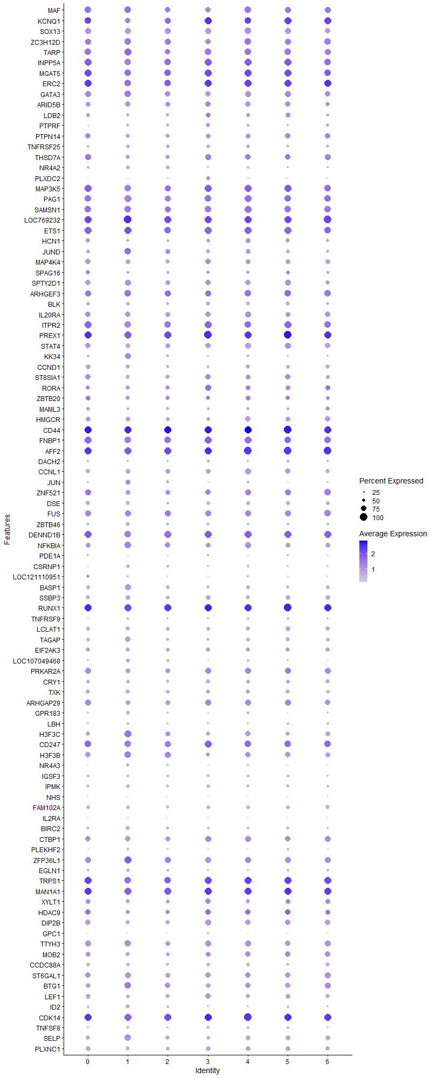
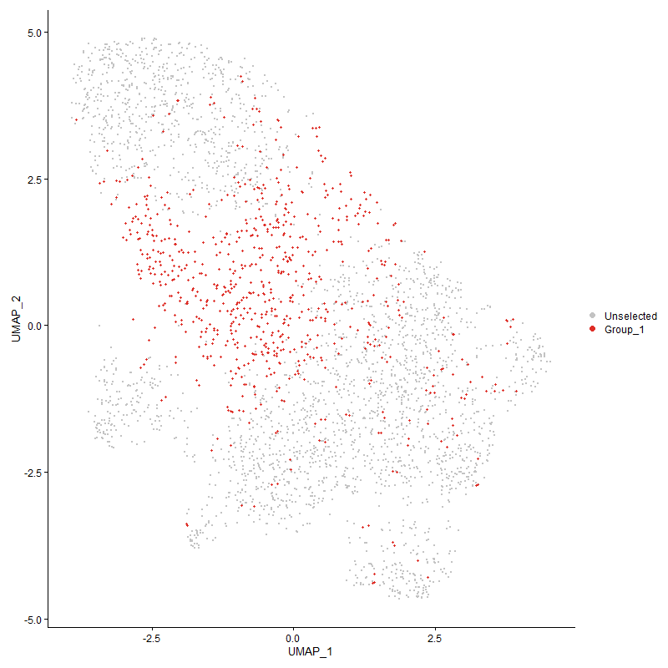
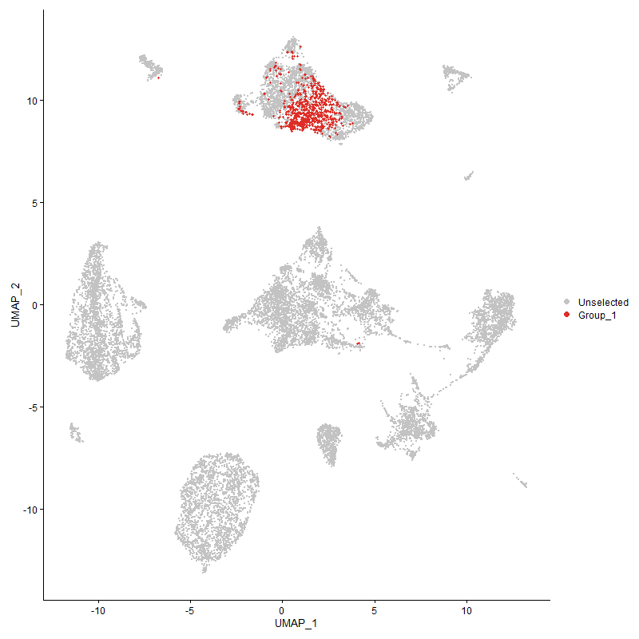
 | p_val | avg_log2FC | pct.1 | pct.2 | p_val_adj | cluster | gene
MAF2 | 0 | 1.3899266273 | 0.788 | 0.187 | 0 | 2 | MAF
KCNQ12 | 0 | 1.307876137 | 0.805 | 0.164 | 0 | 2 | KCNQ1
SOX132 | 0 | 1.2029654161 | 0.793 | 0.144 | 0 | 2 | SOX13
ZC3H12D2 | 1.0802194912E-186 | 1.1744569066 | 0.835 | 0.39 | 1.6496031851E-182 | 2 | ZC3H12D
TARP2 | 3.3098467693E-218 | 1.1062304266 | 0.795 | 0.266 | 5.0544670015E-214 | 2 | TARP
INPP5A2 | 1.3171450569E-164 | 1.0725825715 | 0.88 | 0.49 | 2.0114122164E-160 | 2 | INPP5A
MGAT52 | 5.1242205898E-143 | 1.0669774601 | 0.905 | 0.623 | 7.8251972628E-139 | 2 | MGAT5
ERC22 | 6.3107355767E-166 | 0.97725068531 | 0.888 | 0.366 | 9.6371242991E-162 | 2 | ERC2
GATA32 | 1.2087563703E-143 | 0.95173020414 | 0.746 | 0.341 | 1.8458918531E-139 | 2 | GATA3
ARID5B2 | 3.1860771369E-118 | 0.91203452645 | 0.718 | 0.361 | 4.8654583957E-114 | 2 | ARID5B
LDB22 | 5.8099573252E-193 | 0.9007082252 | 0.501 | 0.117 | 8.8723858313E-189 | 2 | LDB2
PTPRF2 | 1.3899362399E-269 | 0.90038344145 | 0.44 | 0.07 | 2.122571632E-265 | 2 | PTPRF
PTPN142 | 1.1053939377E-248 | 0.89363349786 | 0.598 | 0.133 | 1.6880470823E-244 | 2 | PTPN14
TNFRSF252 | 1.5158829697E-184 | 0.88002939463 | 0.556 | 0.159 | 2.314904883E-180 | 2 | TNFRSF25
THSD7A2 | 2.7089391736E-184 | 0.87077326068 | 0.604 | 0.167 | 4.1368210121E-180 | 2 | THSD7A
NR4A22 | 6.4354265293E-76 | 0.77038982937 | 0.515 | 0.252 | 9.8275398529E-72 | 2 | NR4A2
PLXDC21 | 2.3571490434E-146 | 0.73892405966 | 0.268 | 0.046 | 3.5996023041E-142 | 2 | PLXDC2
MAP3K52 | 3.9705462762E-72 | 0.72234308673 | 0.869 | 0.642 | 6.0634212183E-68 | 2 | MAP3K5
PAG12 | 1.6018667544E-96 | 0.72166852369 | 0.834 | 0.497 | 2.4462107206E-92 | 2 | PAG1
SAMSN12 | 3.2126469879E-76 | 0.70993829319 | 0.871 | 0.605 | 4.9060332153E-72 | 2 | SAMSN1
LOC7692322 | 8.5943185012E-81 | 0.68337270327 | 0.975 | 0.758 | 1.3124383783E-76 | 2 | LOC769232
ETS12 | 1.8075143382E-76 | 0.67914420977 | 0.914 | 0.714 | 2.7602551458E-72 | 2 | ETS1
HCN12 | 7.8823928598E-165 | 0.67840307853 | 0.43 | 0.098 | 1.2037202136E-160 | 2 | HCN1
JUND1 | 2.2521572955E-49 | 0.67018872492 | 0.719 | 0.558 | 3.4392694059E-45 | 2 | JUND
MAP4K42 | 5.80770314E-90 | 0.66581135382 | 0.591 | 0.267 | 8.8689434651E-86 | 2 | MAP4K4
SPAG162 | 3.8503565168E-150 | 0.65980023431 | 0.394 | 0.088 | 5.8798794368E-146 | 2 | SPAG16
SPTY2D12 | 1.2282062638E-64 | 0.6461736386 | 0.685 | 0.437 | 1.8755937854E-60 | 2 | SPTY2D1
ARHGEF32 | 7.7823406545E-45 | 0.63949859506 | 0.846 | 0.643 | 1.1884412413E-40 | 2 | ARHGEF3
BLK2 | 3.1612089804E-150 | 0.6358270808 | 0.462 | 0.125 | 4.827482234E-146 | 2 | BLK
IL20RA2 | 6.5155461716E-92 | 0.6300357408 | 0.718 | 0.349 | 9.9498905586E-88 | 2 | IL20RA
ITPR22 | 7.3040591353E-72 | 0.62450499079 | 0.889 | 0.678 | 1.1154028706E-67 | 2 | ITPR2
PREX11 | 1.2302032666E-83 | 0.62094176012 | 0.992 | 0.884 | 1.8786434085E-79 | 2 | PREX1
STAT42 | 3.4449244745E-74 | 0.61211243397 | 0.675 | 0.38 | 5.260744165E-70 | 2 | STAT4
KK342 | 9.2983412576E-190 | 0.60952468517 | 0.447 | 0.095 | 1.4199496935E-185 | 2 | KK34
CCND12 | 2.4896587646E-75 | 0.60863432109 | 0.506 | 0.225 | 3.8019578993E-71 | 2 | CCND1
ST8SIA12 | 1.0102721037E-85 | 0.60626122682 | 0.589 | 0.259 | 1.5427865296E-81 | 2 | ST8SIA1
RORA2 | 1.1226910345E-46 | 0.60390578093 | 0.604 | 0.358 | 1.7144614787E-42 | 2 | RORA
ZBTB201 | 6.4852768547E-38 | 0.5697916201 | 0.617 | 0.394 | 9.9036662847E-34 | 2 | ZBTB20
MAML32 | 5.2166525919E-56 | 0.5616814999 | 0.448 | 0.211 | 7.966350173E-52 | 2 | MAML3
HMGCR2 | 1.7100168501E-28 | 0.54601891883 | 0.566 | 0.412 | 2.6113667318E-24 | 2 | HMGCR
CD442 | 1.7405878014E-38 | 0.54409351941 | 0.994 | 0.971 | 2.6580516315E-34 | 2 | CD44
FNBP12 | 3.1462733542E-53 | 0.54337226194 | 0.924 | 0.776 | 4.8046740392E-49 | 2 | FNBP1
AFF21 | 1.8701173412E-64 | 0.53576068552 | 0.972 | 0.86 | 2.8558561917E-60 | 2 | AFF2
DACH22 | 1.8356262292E-76 | 0.53431732446 | 0.31 | 0.094 | 2.8031848146E-72 | 2 | DACH2
CCNL12 | 1.0607950581E-42 | 0.52712928896 | 0.707 | 0.542 | 1.6199401332E-38 | 2 | CCNL1
JUN1 | 8.6049481417E-30 | 0.52511701152 | 0.459 | 0.3 | 1.3140616307E-25 | 2 | JUN
ZNF5212 | 1.4002269686E-65 | 0.52450003108 | 0.679 | 0.344 | 2.1382866038E-61 | 2 | ZNF521
DSE2 | 4.5788654925E-103 | 0.52081798435 | 0.427 | 0.135 | 6.9923854936E-99 | 2 | DSE
FUS1 | 2.1726274474E-37 | 0.51819034185 | 0.852 | 0.734 | 3.3178193749E-33 | 2 | FUS
ZBTB462 | 2.2574333139E-94 | 0.51776455972 | 0.47 | 0.177 | 3.4473264137E-90 | 2 | ZBTB46
DENND1B1 | 1.6753357598E-61 | 0.50637235376 | 0.939 | 0.795 | 2.5584052388E-57 | 2 | DENND1B
NFKBIA1 | 3.1636486986E-31 | 0.50307082529 | 0.751 | 0.662 | 4.8312079276E-27 | 2 | NFKBIA
PDE1A2 | 4.2869759527E-86 | 0.5029901083 | 0.239 | 0.056 | 6.5466409774E-82 | 2 | PDE1A
CSRNP11 | 2.2458597173E-46 | 0.50248393214 | 0.412 | 0.212 | 3.4296523743E-42 | 2 | CSRNP1
LOC1211109512 | 3.6407984108E-71 | 0.50100175576 | 0.221 | 0.056 | 5.5598632531E-67 | 2 | LOC121110951
BASP12 | 1.0514670368E-51 | 0.497240742 | 0.528 | 0.283 | 1.6056953119E-47 | 2 | BASP1
SSBP32 | 2.4194604762E-50 | 0.49569568652 | 0.57 | 0.339 | 3.6947580932E-46 | 2 | SSBP3
RUNX11 | 6.3145213045E-55 | 0.49550597193 | 0.997 | 0.919 | 9.6429054841E-51 | 2 | RUNX1
TNFRSF92 | 4.6878707775E-83 | 0.49241178993 | 0.339 | 0.108 | 7.1588474642E-79 | 2 | TNFRSF9
LCLAT12 | 1.7966327849E-32 | 0.49183347321 | 0.546 | 0.352 | 2.7436379258E-28 | 2 | LCLAT1
TAGAP2 | 9.1175604221E-52 | 0.49151456301 | 0.488 | 0.251 | 1.3923426521E-47 | 2 | TAGAP
EIF2AK32 | 1.5805707516E-32 | 0.48621122406 | 0.566 | 0.39 | 2.4136895948E-28 | 2 | EIF2AK3
LOC1070494681 | 4.492298014E-19 | 0.48083099864 | 0.432 | 0.31 | 6.8601882972E-15 | 2 | LOC107049468
PRKAR2A1 | 5.196941196E-42 | 0.48077776929 | 0.701 | 0.473 | 7.9362489004E-38 | 2 | PRKAR2A
CRY12 | 6.4746287231E-51 | 0.48031891564 | 0.499 | 0.261 | 9.8874055231E-47 | 2 | CRY1
TXK2 | 7.2309744631E-52 | 0.47868253139 | 0.574 | 0.322 | 1.1042421103E-47 | 2 | TXK
ARHGAP292 | 7.6153149969E-53 | 0.47726159263 | 0.685 | 0.414 | 1.1629347532E-48 | 2 | ARHGAP29
GPR1832 | 7.2028840954E-35 | 0.47326398665 | 0.333 | 0.166 | 1.0999524302E-30 | 2 | GPR183
LBH2 | 3.5898763447E-65 | 0.45755946196 | 0.36 | 0.139 | 5.482100166E-61 | 2 | LBH
H3F3C1 | 7.1403195577E-34 | 0.45227945577 | 0.716 | 0.613 | 1.0903981997E-29 | 2 | H3F3C
CD2472 | 2.1325064794E-53 | 0.45219066477 | 0.858 | 0.547 | 3.2565506446E-49 | 2 | CD247
H3F3B1 | 1.7508148118E-28 | 0.45115417228 | 0.848 | 0.762 | 2.6736692991E-24 | 2 | H3F3B
NR4A31 | 8.5431949529E-18 | 0.4504897953 | 0.36 | 0.231 | 1.3046313013E-13 | 2 | NR4A3
IGSF32 | 3.3533584351E-66 | 0.44389422782 | 0.372 | 0.143 | 5.1209136662E-62 | 2 | IGSF3
IPMK2 | 5.0814666854E-63 | 0.44306331168 | 0.448 | 0.2 | 7.7599077753E-59 | 2 | IPMK
NHS2 | 1.0852283711E-80 | 0.43757718042 | 0.165 | 0.03 | 1.6572522455E-76 | 2 | NHS
FAM102A2 | 8.4180244085E-42 | 0.43547557752 | 0.467 | 0.258 | 1.2855165074E-37 | 2 | FAM102A
IL2RA1 | 2.8449087072E-30 | 0.43068222563 | 0.199 | 0.08 | 4.3444600867E-26 | 2 | IL2RA
BIRC22 | 6.4188323454E-35 | 0.42811792063 | 0.484 | 0.297 | 9.8021988747E-31 | 2 | BIRC2
CTBP12 | 9.8428236819E-29 | 0.42090361344 | 0.707 | 0.55 | 1.5030976045E-24 | 2 | CTBP1
PLEKHF22 | 2.1589342464E-84 | 0.41096741893 | 0.299 | 0.086 | 3.2969084876E-80 | 2 | PLEKHF2
ZFP36L11 | 6.3958755623E-29 | 0.41079904213 | 0.859 | 0.797 | 9.7671415712E-25 | 2 | ZFP36L1
EGLN12 | 1.7837838127E-23 | 0.40321247214 | 0.402 | 0.259 | 2.7240162604E-19 | 2 | EGLN1
TRPS11 | 2.9170105963E-32 | 0.39453117019 | 0.899 | 0.73 | 4.4545668817E-28 | 2 | TRPS1
MAN1A11 | 6.1230048742E-38 | 0.38910485149 | 0.963 | 0.878 | 9.3504407434E-34 | 2 | MAN1A1
XYLT11 | 6.8769418722E-19 | 0.38405091877 | 0.55 | 0.417 | 1.0501777933E-14 | 2 | XYLT1
HDAC91 | 1.9969340855E-36 | 0.38290997096 | 0.631 | 0.38 | 3.049518042E-32 | 2 | HDAC9
DIP2B2 | 1.0784405309E-30 | 0.38147370903 | 0.611 | 0.442 | 1.6468865348E-26 | 2 | DIP2B
GPC11 | 3.0987093386E-86 | 0.38078433872 | 0.176 | 0.032 | 4.7320390309E-82 | 2 | GPC1
TTYH32 | 2.9783150443E-28 | 0.37949432451 | 0.712 | 0.587 | 4.5481849042E-24 | 2 | TTYH3
MOB21 | 1.0267322961E-24 | 0.37885401751 | 0.563 | 0.391 | 1.5679228893E-20 | 2 | MOB2
CCDC88A2 | 4.4289762672E-35 | 0.3785027448 | 0.466 | 0.268 | 6.7634896576E-31 | 2 | CCDC88A
ST6GAL12 | 1.1148797683E-18 | 0.3771726243 | 0.69 | 0.613 | 1.7025328942E-14 | 2 | ST6GAL1
BTG11 | 7.3261874551E-20 | 0.37591594992 | 0.759 | 0.689 | 1.1187820863E-15 | 2 | BTG1
LEF11 | 7.8453433202E-46 | 0.36705010668 | 0.593 | 0.327 | 1.1980623784E-41 | 2 | LEF1
ID22 | 3.9276835372E-28 | 0.3593047346 | 0.39 | 0.229 | 5.9979655296E-24 | 2 | ID2
CDK141 | 3.130618416E-34 | 0.35657460474 | 0.971 | 0.768 | 4.7807673831E-30 | 2 | CDK14
TNFSF82 | 1.7649161056E-43 | 0.35628362439 | 0.361 | 0.166 | 2.6952033848E-39 | 2 | TNFSF8
SELP2 | 2.5013368739E-23 | 0.35073407536 | 0.598 | 0.444 | 3.8197915401E-19 | 2 | SELP
PLXNC12 | 2.1631517971E-23 | 0.34890571466 | 0.521 | 0.36 | 3.3033491093E-19 | 2 | PLXNC1
TSHZ21 | 3.6100031304E-35 | 0.34815559531 | 0.521 | 0.288 | 5.5128357804E-31 | 2 | TSHZ2
SOBP2 | 6.2059202046E-38 | 0.34812377336 | 0.169 | 0.054 | 9.4770607444E-34 | 2 | SOBP
BCL11B2 | 6.2725848702E-39 | 0.34321683508 | 0.947 | 0.614 | 9.5788643552E-35 | 2 | BCL11B
ARHGAP61 | 1.2372420642E-19 | 0.34113248868 | 0.456 | 0.306 | 1.8893923562E-15 | 2 | ARHGAP6
CRTC12 | 1.1737184308E-33 | 0.33987192816 | 0.427 | 0.241 | 1.7923854157E-29 | 2 | CRTC1
LYST2 | 7.7573055485E-31 | 0.33811850964 | 0.455 | 0.27 | 1.1846181303E-26 | 2 | LYST
SLK1 | 1.6719309301E-20 | 0.33786749752 | 0.761 | 0.683 | 2.5532057234E-16 | 2 | SLK
MYO1B2 | 2.9342560377E-36 | 0.3363462892 | 0.414 | 0.216 | 4.4809023951E-32 | 2 | MYO1B
IER51 | 9.882979446E-23 | 0.33306024445 | 0.458 | 0.311 | 1.5092297912E-18 | 2 | IER5
LOC1017522501 | 1.7183102779E-17 | 0.33074843143 | 0.355 | 0.227 | 2.6240316254E-13 | 2 | LOC101752250
EXTL31 | 1.1328030143E-20 | 0.33054631968 | 0.454 | 0.308 | 1.7299034832E-16 | 2 | EXTL3
LOC7768161 | 6.6460446166E-21 | 0.32950940064 | 0.863 | 0.781 | 1.0149174734E-16 | 2 | LOC776816
DUSP72 | 1.444267394E-26 | 0.32940417982 | 0.396 | 0.237 | 2.2055407374E-22 | 2 | DUSP7
FOSL21 | 1.3653955424E-20 | 0.32310362105 | 0.34 | 0.21 | 2.0850955328E-16 | 2 | FOSL2
NFKB11 | 1.38986647E-19 | 0.32177306463 | 0.862 | 0.756 | 2.1224650864E-15 | 2 | NFKB1
RAI1 | 2.2041625812E-14 | 0.31937841975 | 0.35 | 0.246 | 3.3659766778E-10 | 2 | RAI1
LOC7762752 | 6.2949308639E-24 | 0.31852837655 | 0.23 | 0.107 | 9.6129889222E-20 | 2 | LOC776275
LOC1125320972 | 2.0102203613E-13 | 0.31701654899 | 0.216 | 0.124 | 3.0698075137E-09 | 2 | LOC112532097
FBXW71 | 1.0574808554E-17 | 0.31600454574 | 0.503 | 0.358 | 1.6148790143E-13 | 2 | FBXW7
SLC29A42 | 9.9974038424E-54 | 0.31304111022 | 0.272 | 0.097 | 1.5267035408E-49 | 2 | SLC29A4
SLC9A71 | 2.6495908701E-17 | 0.31232366221 | 0.485 | 0.349 | 4.0461902177E-13 | 2 | SLC9A7
LOC1070543421 | 6.2686279988E-22 | 0.30442560421 | 0.307 | 0.173 | 9.572821817E-18 | 2 | LOC107054342
NRIP11 | 4.7075853442E-16 | 0.30184565685 | 0.65 | 0.507 | 7.1889535792E-12 | 2 | NRIP1
PTPN72 | 4.5965832017E-35 | 0.29881977721 | 0.355 | 0.179 | 7.0194422073E-31 | 2 | PTPN7
TTC7A1 | 2.5488609063E-13 | 0.2986715189 | 0.499 | 0.385 | 3.89236549E-09 | 2 | TTC7A
PDPK12 | 1.0721877092E-10 | 0.29748311092 | 0.557 | 0.495 | 1.6373378507E-06 | 2 | PDPK1
IRF11 | 7.005992309E-11 | 0.29680582248 | 0.351 | 0.259 | 1.0698850855E-06 | 2 | IRF1
EPB41L2 | 1.9034124454E-12 | 0.29659816755 | 0.476 | 0.37 | 2.9067011454E-08 | 2 | EPB41L2
KCNJ151 | 2.5060149518E-105 | 0.29535278179 | 0.166 | 0.024 | 3.8269354329E-101 | 2 | KCNJ15
CD822 | 2.9427592506E-16 | 0.29119123223 | 0.447 | 0.321 | 4.4938876516E-12 | 2 | CD82
CD3E1 | 2.9200841903E-22 | 0.2903210171 | 0.467 | 0.303 | 4.459260567E-18 | 2 | CD3E
GRAP22 | 2.6587634403E-20 | 0.28948835955 | 0.509 | 0.349 | 4.0601976496E-16 | 2 | GRAP2
ZNRF21 | 5.579821585E-16 | 0.28638252484 | 0.787 | 0.665 | 8.5209455424E-12 | 2 | ZNRF2
LOC1211064611 | 2.6799319021E-22 | 0.28492477657 | 0.806 | 0.614 | 4.0925240077E-18 | 2 | LOC121106461
IFNGR12 | 5.3017133271E-16 | 0.2832915584 | 0.445 | 0.321 | 8.0962464218E-12 | 2 | IFNGR1
PLCG12 | 1.2197464433E-24 | 0.2810132613 | 0.415 | 0.255 | 1.8626747935E-20 | 2 | PLCG1
KLF121 | 1.5363154316E-22 | 0.27933930229 | 0.743 | 0.548 | 2.3461072956E-18 | 2 | KLF12
DRD41 | 1.1037670536E-95 | 0.27618857706 | 0.234 | 0.049 | 1.6855626675E-91 | 2 | DRD4
PIK3C2A1 | 5.4685122968E-15 | 0.27569042727 | 0.36 | 0.243 | 8.3509651285E-11 | 2 | PIK3C2A
LCORL1 | 1.1179671945E-13 | 0.27496113257 | 0.451 | 0.343 | 1.7072477027E-09 | 2 | LCORL
NCKAP51 | 2.4735949489E-41 | 0.27458735744 | 0.136 | 0.035 | 3.7774268465E-37 | 2 | NCKAP5
HK2 | 3.4645918077E-14 | 0.2745413849 | 0.342 | 0.23 | 5.2907781495E-10 | 2 | HK2
ATF41 | 6.7432849736E-07 | 0.2742069166 | 0.499 | 0.464 | 0.010297670483 | 2 | ATF4
UBE2F2 | 6.1660093234E-17 | 0.26978089346 | 0.282 | 0.171 | 9.4161128377E-13 | 2 | UBE2F
SLC38A61 | 6.8229003531E-17 | 0.26721545006 | 0.42 | 0.292 | 1.0419251129E-12 | 2 | SLC38A6
KLF92 | 5.1695827488E-32 | 0.26632349456 | 0.214 | 0.088 | 7.8944698156E-28 | 2 | KLF9
PMAIP11 | 4.8004843184E-09 | 0.26494474291 | 0.261 | 0.186 | 7.3308196026E-05 | 2 | PMAIP1
C1orf1861 | 2.0051625055E-86 | 0.26422463206 | 0.207 | 0.044 | 3.0620836622E-82 | 2 | C1orf186
ATRN1 | 5.8790383101E-12 | 0.26242731558 | 0.56 | 0.465 | 8.9778794034E-08 | 2 | ATRN
LCP21 | 1.1279377704E-23 | 0.26223951901 | 0.848 | 0.655 | 1.7224737691E-19 | 2 | LCP2
CD3D1 | 5.7432634172E-22 | 0.26124806758 | 0.506 | 0.341 | 8.7705375644E-18 | 2 | CD3D
ITPR11 | 1.4550217227E-19 | 0.25933458522 | 0.534 | 0.362 | 2.2219636728E-15 | 2 | ITPR1
PPP1CB2 | 2.3646015543E-16 | 0.2587873225 | 0.42 | 0.294 | 3.6109830335E-12 | 2 | PPP1CB
SLC38A21 | 1.2574344535E-07 | 0.25829014379 | 0.444 | 0.383 | 0.0019202281539 | 2 | SLC38A2
EIF11 | 3.4307449093E-11 | 0.2556984477 | 0.575 | 0.504 | 5.2390905509E-07 | 2 | EIF1
DUSP161 | 8.3813577941E-23 | 0.25533083371 | 0.148 | 0.059 | 1.2799171487E-18 | 2 | DUSP16
BEND31 | 4.4610329696E-14 | 0.25320951167 | 0.331 | 0.22 | 6.8124434478E-10 | 2 | BEND3
LOC4296821 | 1.287700857E-15 | 0.25286326393 | 0.342 | 0.224 | 1.9664479787E-11 | 2 | LOC429682

Cluster3
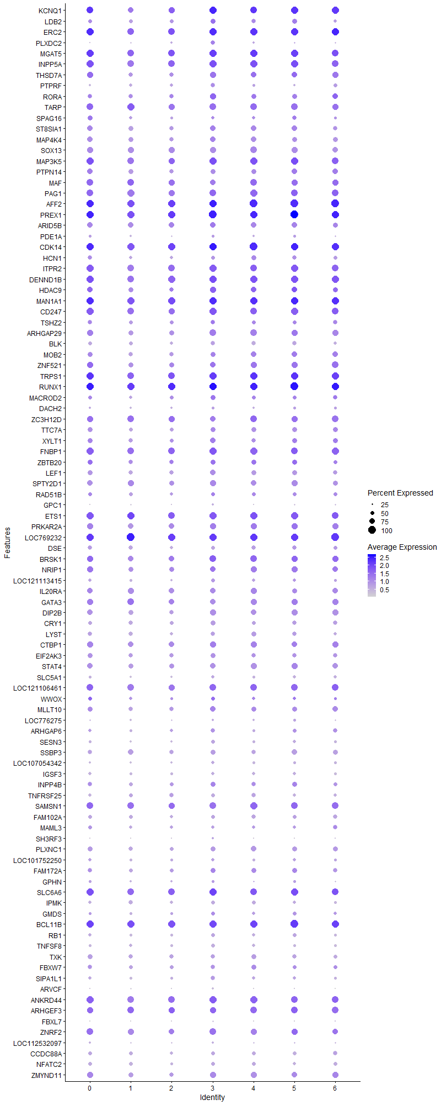
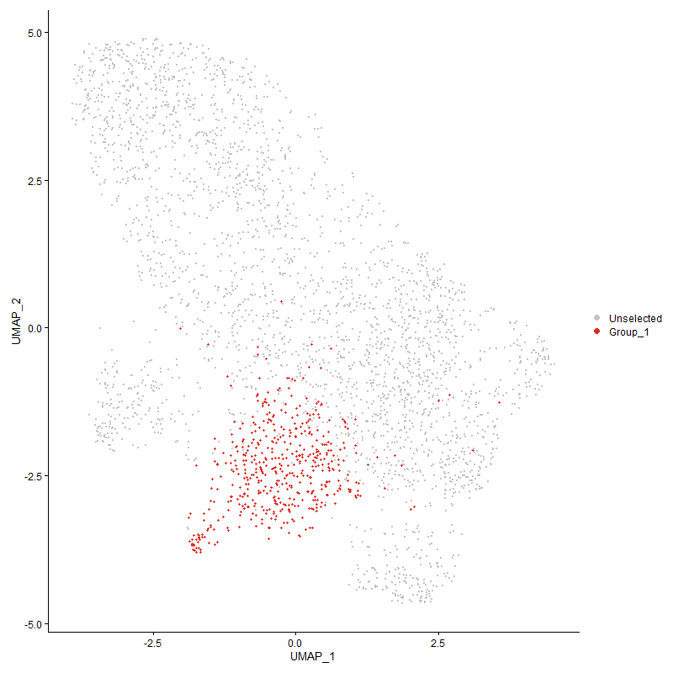
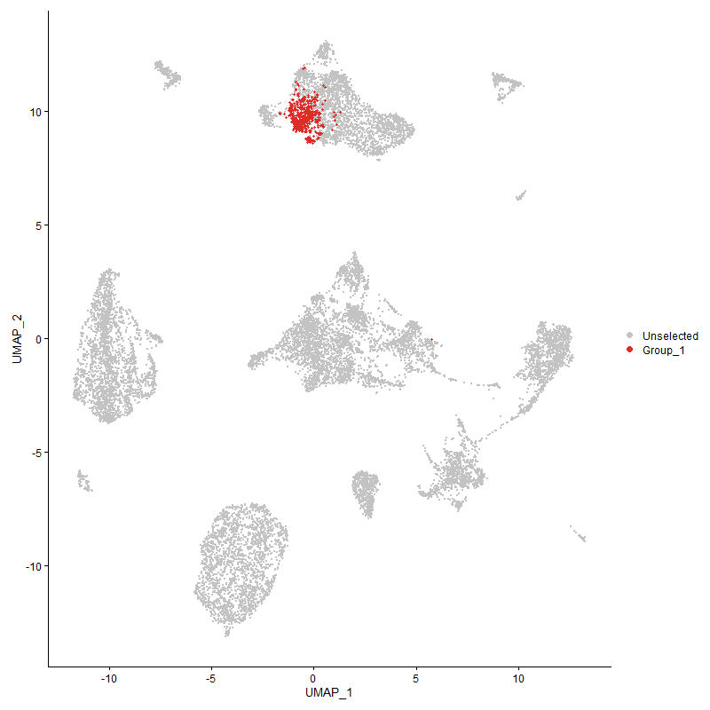
 | p_val | avg_log2FC | pct.1 | pct.2 | p_val_adj | cluster | gene
KCNQ13 | 0 | 2.4615760819 | 0.953 | 0.168 | 0 | 3 | KCNQ1
LDB23 | 1.8477574746E-307 | 1.7318840567 | 0.674 | 0.117 | 2.8217104395E-303 | 3 | LDB2
ERC23 | 8.1597313713E-200 | 1.6823410385 | 0.943 | 0.372 | 1.2460725777E-195 | 3 | ERC2
PLXDC22 | 0 | 1.6463648871 | 0.567 | 0.04 | 0 | 3 | PLXDC2
MGAT53 | 1.6432128265E-156 | 1.4808553873 | 0.97 | 0.625 | 2.5093503073E-152 | 3 | MGAT5
INPP5A3 | 1.3110777952E-198 | 1.4489113902 | 0.984 | 0.492 | 2.002146901E-194 | 3 | INPP5A
THSD7A3 | 2.1098542216E-285 | 1.3946078279 | 0.796 | 0.167 | 3.2219583818E-281 | 3 | THSD7A
PTPRF3 | 0 | 1.3465587999 | 0.605 | 0.07 | 0 | 3 | PTPRF
RORA3 | 2.2415521968E-117 | 1.2647547436 | 0.798 | 0.356 | 3.4230743597E-113 | 3 | RORA
TARP3 | 1.2451052965E-199 | 1.1973021241 | 0.887 | 0.27 | 1.9014002983E-195 | 3 | TARP
SPAG163 | 6.2035398679E-167 | 1.1907566229 | 0.466 | 0.09 | 9.4734257323E-163 | 3 | SPAG16
ST8SIA13 | 6.9343995122E-142 | 1.1474433041 | 0.731 | 0.26 | 1.0589521495E-137 | 3 | ST8SIA1
MAP4K43 | 2.2450591481E-148 | 1.1439073193 | 0.753 | 0.267 | 3.4284298251E-144 | 3 | MAP4K4
SOX133 | 0 | 1.1121537005 | 0.83 | 0.152 | 0 | 3 | SOX13
MAP3K53 | 7.1803248616E-113 | 1.1002279174 | 0.96 | 0.642 | 1.0965074096E-108 | 3 | MAP3K5
PTPN143 | 1.394564142E-226 | 1.0898920891 | 0.662 | 0.137 | 2.1296389012E-222 | 3 | PTPN14
MAF3 | 3.0514658772E-180 | 1.0895092925 | 0.747 | 0.197 | 4.6598935411E-176 | 3 | MAF
PAG13 | 1.6073959563E-125 | 1.0770846148 | 0.919 | 0.499 | 2.4546543648E-121 | 3 | PAG1
AFF22 | 4.2531549676E-132 | 1.0769792291 | 0.994 | 0.861 | 6.494992951E-128 | 3 | AFF2
PREX12 | 4.4725668978E-138 | 1.0635425506 | 1 | 0.885 | 6.8300569096E-134 | 3 | PREX1
ARID5B3 | 5.2361212811E-107 | 1.0491105191 | 0.771 | 0.364 | 7.9960808084E-103 | 3 | ARID5B
PDE1A3 | 1.5644075151E-155 | 1.0473688435 | 0.348 | 0.055 | 2.3890067163E-151 | 3 | PDE1A
CDK142 | 9.0628737476E-125 | 1.0420551918 | 0.996 | 0.77 | 1.38399145E-120 | 3 | CDK14
HCN13 | 7.3252330878E-205 | 1.0389608062 | 0.534 | 0.099 | 1.1186363448E-200 | 3 | HCN1
ITPR23 | 2.2200514877E-108 | 0.96871534868 | 0.951 | 0.679 | 3.3902406269E-104 | 3 | ITPR2
DENND1B2 | 1.3392929153E-115 | 0.95894961455 | 0.986 | 0.796 | 2.0452342109E-111 | 3 | DENND1B
HDAC92 | 9.8219360581E-83 | 0.95646317011 | 0.785 | 0.379 | 1.4999078554E-78 | 3 | HDAC9
MAN1A12 | 4.9079186788E-99 | 0.95524101935 | 0.996 | 0.879 | 7.4948826144E-95 | 3 | MAN1A1
CD2473 | 1.2723819748E-87 | 0.93182559779 | 0.931 | 0.549 | 1.9430545137E-83 | 3 | CD247
TSHZ22 | 2.8607930195E-64 | 0.90864121597 | 0.623 | 0.288 | 4.3687170201E-60 | 3 | TSHZ2
ARHGAP293 | 3.3194533127E-105 | 0.8992357091 | 0.856 | 0.413 | 5.0691371538E-101 | 3 | ARHGAP29
BLK3 | 8.4169517674E-235 | 0.89446299957 | 0.632 | 0.125 | 1.2853527044E-230 | 3 | BLK
MOB22 | 4.8322003703E-61 | 0.88282002774 | 0.68 | 0.39 | 7.3792531855E-57 | 3 | MOB2
ZNF5213 | 1.3413791955E-81 | 0.86889350617 | 0.751 | 0.346 | 2.0484201695E-77 | 3 | ZNF521
TRPS12 | 7.9514790459E-70 | 0.8524183397 | 0.955 | 0.73 | 1.2142703651E-65 | 3 | TRPS1
RUNX12 | 7.5785411601E-95 | 0.83728205847 | 1 | 0.92 | 1.1573190206E-90 | 3 | RUNX1
MACROD21 | 8.119224924E-39 | 0.81968661573 | 0.632 | 0.401 | 1.2398868382E-34 | 3 | MACROD2
DACH23 | 1.798523586E-89 | 0.81755688291 | 0.372 | 0.096 | 2.7465253682E-85 | 3 | DACH2
ZC3H12D3 | 7.710859068E-66 | 0.81260702923 | 0.745 | 0.399 | 1.1775252883E-61 | 3 | ZC3H12D
TTC7A2 | 5.6808027101E-63 | 0.80214980086 | 0.698 | 0.381 | 8.6751538186E-59 | 3 | TTC7A
XYLT12 | 2.2206945826E-60 | 0.79562954835 | 0.735 | 0.413 | 3.3912226971E-56 | 3 | XYLT1
FNBP13 | 2.1553227561E-80 | 0.78411233787 | 0.964 | 0.777 | 3.2913933808E-76 | 3 | FNBP1
ZBTB202 | 9.8631302252E-38 | 0.78076139145 | 0.642 | 0.396 | 1.5061986167E-33 | 3 | ZBTB20
LEF12 | 1.2070934376E-84 | 0.77412281993 | 0.729 | 0.326 | 1.8433523886E-80 | 3 | LEF1
SPTY2D13 | 1.9211222045E-78 | 0.7730036607 | 0.791 | 0.438 | 2.9337457185E-74 | 3 | SPTY2D1
RAD51B1 | 2.7062824187E-19 | 0.76126387533 | 0.506 | 0.358 | 4.1327638815E-15 | 3 | RAD51B
GPC12 | 3.448190521E-222 | 0.75990814866 | 0.308 | 0.03 | 5.2657317446E-218 | 3 | GPC1
ETS13 | 3.8092631787E-68 | 0.74705834705 | 0.947 | 0.716 | 5.8171258002E-64 | 3 | ETS1
PRKAR2A2 | 4.7917397412E-73 | 0.73574251422 | 0.83 | 0.472 | 7.3174657588E-69 | 3 | PRKAR2A
LOC7692323 | 5.5466870072E-70 | 0.72879767568 | 0.982 | 0.761 | 8.4703457286E-66 | 3 | LOC769232
DSE3 | 8.1457932396E-150 | 0.71264970953 | 0.561 | 0.135 | 1.2439440856E-145 | 3 | DSE
BRSK11 | 5.5598612719E-55 | 0.70911893272 | 0.877 | 0.557 | 8.4904641484E-51 | 3 | BRSK1
NRIP12 | 2.8176737256E-41 | 0.7004678922 | 0.749 | 0.506 | 4.3028695464E-37 | 3 | NRIP1
LOC1211134151 | 1.0536471756E-46 | 0.68531317477 | 0.502 | 0.242 | 1.6090246019E-42 | 3 | LOC121113415
IL20RA3 | 3.7530477063E-69 | 0.67846689641 | 0.741 | 0.353 | 5.7312791523E-65 | 3 | IL20RA
GATA33 | 1.6154658357E-80 | 0.67673878129 | 0.763 | 0.346 | 2.4669778777E-76 | 3 | GATA3
DIP2B3 | 7.6048065979E-79 | 0.67443395246 | 0.808 | 0.438 | 1.1613300156E-74 | 3 | DIP2B
CRY13 | 3.8321817808E-84 | 0.67228467212 | 0.636 | 0.26 | 5.8521247974E-80 | 3 | CRY1
LYST3 | 9.1586373311E-69 | 0.66712223309 | 0.595 | 0.268 | 1.3986155068E-64 | 3 | LYST
CTBP13 | 9.4103669888E-63 | 0.66552860744 | 0.844 | 0.548 | 1.4370571429E-58 | 3 | CTBP1
EIF2AK33 | 6.713707811E-44 | 0.64895327451 | 0.646 | 0.39 | 1.0252503198E-39 | 3 | EIF2AK3
STAT43 | 2.7366127492E-61 | 0.64196897036 | 0.727 | 0.382 | 4.1790813293E-57 | 3 | STAT4
SLC5A11 | 5.6020856507E-59 | 0.63801229924 | 0.449 | 0.178 | 8.5549449972E-55 | 3 | SLC5A1
LOC1211064612 | 2.733645755E-39 | 0.63556640245 | 0.862 | 0.615 | 4.1745504324E-35 | 3 | LOC121106461
WWOX1 | 1.8372469936E-13 | 0.63031014901 | 0.496 | 0.369 | 2.805659884E-09 | 3 | WWOX
MLLT101 | 2.4744671318E-36 | 0.62541075081 | 0.727 | 0.519 | 3.778758757E-32 | 3 | MLLT10
LOC7762753 | 1.8658789071E-35 | 0.62528227908 | 0.279 | 0.107 | 2.849383679E-31 | 3 | LOC776275
ARHGAP62 | 7.5396937124E-41 | 0.61578264437 | 0.569 | 0.305 | 1.1513866268E-36 | 3 | ARHGAP6
SESN31 | 7.9685309527E-67 | 0.60504271776 | 0.498 | 0.193 | 1.2168743618E-62 | 3 | SESN3
SSBP33 | 5.8015629865E-60 | 0.60449763426 | 0.66 | 0.339 | 8.8595668366E-56 | 3 | SSBP3
LOC1070543422 | 2.0882229201E-56 | 0.6030951864 | 0.437 | 0.171 | 3.1889252213E-52 | 3 | LOC107054342
IGSF33 | 1.2839838393E-85 | 0.59974347786 | 0.455 | 0.144 | 1.9607717209E-81 | 3 | IGSF3
INPP4B1 | 4.6392322083E-48 | 0.5864494781 | 0.686 | 0.364 | 7.0845715054E-44 | 3 | INPP4B
TNFRSF253 | 7.1656734871E-108 | 0.58065266209 | 0.547 | 0.165 | 1.0942699982E-103 | 3 | TNFRSF25
SAMSN13 | 6.6918048549E-47 | 0.57600572245 | 0.885 | 0.608 | 1.0219055194E-42 | 3 | SAMSN1
FAM102A3 | 4.7590682731E-56 | 0.57293069886 | 0.559 | 0.258 | 7.2675731598E-52 | 3 | FAM102A
MAML33 | 7.4895269906E-32 | 0.57268490923 | 0.425 | 0.215 | 1.1437256667E-27 | 3 | MAML3
SH3RF3 | 3.1578116684E-20 | 0.57008532632 | 0.267 | 0.129 | 4.8222941987E-16 | 3 | SH3RF3
PLXNC13 | 6.0016963495E-52 | 0.56845026719 | 0.676 | 0.357 | 9.1651904953E-48 | 3 | PLXNC1
LOC1017522502 | 3.5170687919E-31 | 0.55893816845 | 0.433 | 0.226 | 5.3709157521E-27 | 3 | LOC101752250
FAM172A1 | 9.8040656873E-22 | 0.5509673271 | 0.65 | 0.481 | 1.4971788711E-17 | 3 | FAM172A
GPHN1 | 3.4776420157E-19 | 0.54961420532 | 0.405 | 0.248 | 5.3107071221E-15 | 3 | GPHN
SLC6A61 | 1.1498561635E-39 | 0.54767295921 | 0.982 | 0.882 | 1.7559453472E-35 | 3 | SLC6A6
IPMK3 | 7.1870356587E-73 | 0.54379637869 | 0.53 | 0.201 | 1.0975322154E-68 | 3 | IPMK
GMDS | 3.5105262264E-20 | 0.54096770296 | 0.538 | 0.366 | 5.3609246004E-16 | 3 | GMDS
BCL11B3 | 4.9058029591E-44 | 0.53970155357 | 0.974 | 0.618 | 7.4916516989E-40 | 3 | BCL11B
RB11 | 1.8135460985E-41 | 0.5314514963 | 0.518 | 0.265 | 2.769466247E-37 | 3 | RB1
TNFSF83 | 2.0483446346E-81 | 0.52822359781 | 0.494 | 0.165 | 3.1280270916E-77 | 3 | TNFSF8
TXK3 | 4.3122628881E-49 | 0.52318994571 | 0.63 | 0.324 | 6.5852566564E-45 | 3 | TXK
FBXW72 | 1.2654138613E-24 | 0.51953433068 | 0.567 | 0.358 | 1.9324135076E-20 | 3 | FBXW7
SIPA1L1 | 8.0579708268E-33 | 0.51320463807 | 0.577 | 0.342 | 1.230532725E-28 | 3 | SIPA1L1
ARVCF1 | 5.7790890253E-171 | 0.51107599163 | 0.296 | 0.036 | 8.8252468506E-167 | 3 | ARVCF
ANKRD441 | 1.9749532871E-36 | 0.50507088728 | 0.955 | 0.851 | 3.0159511647E-32 | 3 | ANKRD44
ARHGEF33 | 7.2906531669E-25 | 0.5001438778 | 0.846 | 0.645 | 1.1133556451E-20 | 3 | ARHGEF3
FBXL7 | 1.9763879611E-155 | 0.49848347239 | 0.217 | 0.021 | 3.0181420555E-151 | 3 | FBXL7
ZNRF22 | 2.1939816201E-30 | 0.49799093437 | 0.856 | 0.664 | 3.350429332E-26 | 3 | ZNRF2
LOC1125320973 | 1.6187336227E-21 | 0.49666617574 | 0.261 | 0.124 | 2.4719681152E-17 | 3 | LOC112532097
CCDC88A3 | 6.1119358036E-39 | 0.49626176646 | 0.516 | 0.269 | 9.3335371657E-35 | 3 | CCDC88A
NFATC22 | 8.7959476417E-46 | 0.49574459789 | 0.545 | 0.269 | 1.3432291644E-41 | 3 | NFATC2
ZMYND111 | 2.5060037394E-41 | 0.4938760431 | 0.81 | 0.542 | 3.8269183105E-37 | 3 | ZMYND11
CELF21 | 1.1894185771E-38 | 0.49071190303 | 0.978 | 0.918 | 1.8163611091E-34 | 3 | CELF2
CDC731 | 4.6637619485E-36 | 0.49064809527 | 0.64 | 0.391 | 7.1220308715E-32 | 3 | CDC73
KAT6B1 | 6.2299961793E-32 | 0.48957303202 | 0.589 | 0.352 | 9.5138271655E-28 | 3 | KAT6B
TTYH33 | 6.0297195303E-39 | 0.48763629663 | 0.81 | 0.586 | 9.2079846948E-35 | 3 | TTYH3
ACTN11 | 5.1434715815E-27 | 0.48454816406 | 0.702 | 0.509 | 7.8545954522E-23 | 3 | ACTN1
DOCK101 | 1.5154865437E-30 | 0.48052925717 | 0.789 | 0.582 | 2.3142995008E-26 | 3 | DOCK10
ITPR12 | 2.5736562509E-37 | 0.46981111153 | 0.648 | 0.361 | 3.9302304608E-33 | 3 | ITPR1
GALNT21 | 1.0618371111E-30 | 0.46463542005 | 0.514 | 0.284 | 1.6215314523E-26 | 3 | GALNT2
FAM53A1 | 4.6959570599E-24 | 0.45911851444 | 0.64 | 0.428 | 7.1711960261E-20 | 3 | FAM53A
LRBA1 | 3.6261414739E-30 | 0.4561784878 | 0.921 | 0.79 | 5.5374806448E-26 | 3 | LRBA
TNFSF112 | 9.830263125E-45 | 0.45582690206 | 0.383 | 0.153 | 1.5011794818E-40 | 3 | TNFSF11
ZNF4621 | 1.140438835E-113 | 0.4543789204 | 0.285 | 0.049 | 1.7415641449E-109 | 3 | ZNF462
CRTC13 | 4.0695586748E-51 | 0.45306311762 | 0.524 | 0.24 | 6.2146230523E-47 | 3 | CRTC1
ERBIN1 | 3.6541501451E-24 | 0.44706878354 | 0.789 | 0.623 | 5.5802526865E-20 | 3 | ERBIN
LOC1017498091 | 9.6561724757E-33 | 0.44207492942 | 0.864 | 0.548 | 1.4745940988E-28 | 3 | LOC101749809
EXTL32 | 5.2033495301E-36 | 0.44167339536 | 0.555 | 0.307 | 7.9460350674E-32 | 3 | EXTL3
CD443 | 8.4090196336E-27 | 0.43776395833 | 0.994 | 0.972 | 1.2841413882E-22 | 3 | CD44
SLK2 | 9.8325191302E-29 | 0.43529406622 | 0.852 | 0.682 | 1.5015239964E-24 | 3 | SLK
PIK3C2A2 | 1.6456982046E-32 | 0.43482210592 | 0.464 | 0.241 | 2.5131457282E-28 | 3 | PIK3C2A
TRANK1 | 5.0190426793E-24 | 0.43456982798 | 0.443 | 0.261 | 7.6645800756E-20 | 3 | TRANK1
HMGCR3 | 6.6746082854E-16 | 0.43407338893 | 0.569 | 0.414 | 1.0192794313E-11 | 3 | HMGCR
CTDSPL1 | 1.4699915659E-31 | 0.43218836947 | 0.638 | 0.393 | 2.2448241203E-27 | 3 | CTDSPL
TOX2 | 2.1587558696E-34 | 0.43007758544 | 0.532 | 0.281 | 3.2966360884E-30 | 3 | TOX2
KCNQ3 | 5.2425880682E-139 | 0.42793326906 | 0.132 | 0.008 | 8.005956239E-135 | 3 | KCNQ3
LOC1125328041 | 4.8570377365E-18 | 0.42573973179 | 0.138 | 0.05 | 7.4171823274E-14 | 3 | LOC112532804
PDE8A1 | 1.4702965956E-19 | 0.42387213095 | 0.368 | 0.21 | 2.2452899312E-15 | 3 | PDE8A
HS6ST21 | 2.1924065604E-25 | 0.42106462146 | 0.543 | 0.333 | 3.3480240585E-21 | 3 | HS6ST2
STXBP51 | 6.3816085985E-16 | 0.41752608331 | 0.704 | 0.579 | 9.7453544908E-12 | 3 | STXBP5
KK343 | 1.0412495598E-72 | 0.41287475688 | 0.366 | 0.102 | 1.5900922027E-68 | 3 | KK34
ZBTB463 | 7.8064165354E-55 | 0.41120505129 | 0.457 | 0.181 | 1.1921178691E-50 | 3 | ZBTB46
GRK41 | 7.5532478556E-23 | 0.40710259059 | 0.709 | 0.529 | 1.15345648E-18 | 3 | GRK4
NR3C21 | 1.8824259322E-13 | 0.40328870805 | 0.51 | 0.362 | 2.8746526411E-09 | 3 | NR3C2
MYO1B3 | 3.8992683837E-38 | 0.40307734584 | 0.462 | 0.217 | 5.9545727487E-34 | 3 | MYO1B
LCP22 | 1.0896587688E-31 | 0.40206923766 | 0.915 | 0.656 | 1.6640179059E-27 | 3 | LCP2
PLAG11 | 1.4000852128E-64 | 0.40128552467 | 0.283 | 0.074 | 2.1380701284E-60 | 3 | PLAG1
PPP1CB3 | 7.0153219105E-32 | 0.40003196566 | 0.52 | 0.293 | 1.0713098089E-27 | 3 | PPP1CB
NCOA31 | 9.5040127003E-22 | 0.39956613175 | 0.662 | 0.468 | 1.4513577795E-17 | 3 | NCOA3
CCNL13 | 8.6376148321E-19 | 0.39832380444 | 0.706 | 0.545 | 1.319050161E-14 | 3 | CCNL1
CNTRL1 | 3.3232452431E-26 | 0.39626895394 | 0.52 | 0.315 | 5.0749278108E-22 | 3 | CNTRL
PSIP12 | 2.3320924576E-29 | 0.39584170924 | 0.47 | 0.26 | 3.561338392E-25 | 3 | PSIP1
BMPR2 | 6.4995163863E-17 | 0.39526251369 | 0.547 | 0.369 | 9.9254114735E-13 | 3 | BMPR2
TSPAN41 | 1.1947412277E-22 | 0.3932693756 | 0.909 | 0.782 | 1.8244893288E-18 | 3 | TSPAN4
SLC38A62 | 1.9646959184E-32 | 0.3931054749 | 0.528 | 0.29 | 3.0002871369E-28 | 3 | SLC38A6
BEND22 | 1.2126564035E-82 | 0.39103370834 | 0.304 | 0.07 | 1.8518475938E-78 | 3 | BEND2
PDPK13 | 1.0190731321E-23 | 0.39029175478 | 0.698 | 0.492 | 1.5562265801E-19 | 3 | PDPK1
ZCCHC241 | 1.8968364508E-21 | 0.39012437198 | 0.281 | 0.134 | 2.8966589441E-17 | 3 | ZCCHC24
KLF122 | 4.5932702953E-24 | 0.3876657344 | 0.808 | 0.548 | 7.014383068E-20 | 3 | KLF12
LARGE1 | 3.1559129457E-19 | 0.38674743947 | 0.273 | 0.136 | 4.8193946594E-15 | 3 | LARGE1
RXRA2 | 3.9964436611E-37 | 0.38536126432 | 0.437 | 0.208 | 6.1029691149E-33 | 3 | RXRA
TNFRSF93 | 5.2722649133E-49 | 0.38517452742 | 0.326 | 0.112 | 8.0512757491E-45 | 3 | TNFRSF9
FBRSL1 | 5.1080532485E-27 | 0.38282105668 | 0.988 | 0.95 | 7.8005081157E-23 | 3 | FBRSL1
ST6GAL13 | 1.5614731774E-17 | 0.38205929043 | 0.747 | 0.613 | 2.3845256892E-13 | 3 | ST6GAL1
FAM171A12 | 4.1833467034E-101 | 0.38193285316 | 0.223 | 0.034 | 6.3883887508E-97 | 3 | FAM171A1
PHF21A1 | 5.1755341619E-11 | 0.3789331848 | 0.593 | 0.474 | 7.9035582186E-07 | 3 | PHF21A
SLC9A72 | 6.2247313384E-23 | 0.37812836925 | 0.555 | 0.349 | 9.5057872269E-19 | 3 | SLC9A7
BCAS31 | 5.1429366339E-10 | 0.37713914454 | 0.536 | 0.444 | 7.8537785336E-06 | 3 | BCAS3
PTPRC1 | 2.1129660709E-26 | 0.37662847575 | 0.98 | 0.948 | 3.2267104869E-22 | 3 | PTPRC
SUPT3H1 | 8.4234669416E-10 | 0.3754940228 | 0.439 | 0.327 | 1.2863476366E-05 | 3 | SUPT3H
SLC24A41 | 2.9306435366E-22 | 0.37309155117 | 0.49 | 0.289 | 4.4753857448E-18 | 3 | SLC24A4
GRAP23 | 7.8829574544E-31 | 0.37298696501 | 0.613 | 0.348 | 1.2038064329E-26 | 3 | GRAP2
HTT1 | 7.5531688014E-24 | 0.37187074513 | 0.528 | 0.325 | 1.1534444077E-19 | 3 | HTT
CLIP1 | 6.969532615E-30 | 0.36621910344 | 0.377 | 0.181 | 1.0643173256E-25 | 3 | CLIP1
KIAA1549 | 1.9649636729E-11 | 0.36508281599 | 0.273 | 0.168 | 3.0006960249E-07 | 3 | KIAA1549
MAP7 | 1.9532107393E-55 | 0.36325401731 | 0.221 | 0.054 | 2.98274812E-51 | 3 | MAP7
PLCL11 | 1.0518878784E-14 | 0.36310733796 | 0.206 | 0.1 | 1.6063379792E-10 | 3 | PLCL1
IKZF11 | 3.1734410332E-19 | 0.3627217412 | 0.887 | 0.736 | 4.8461618017E-15 | 3 | IKZF1
BBX1 | 3.2751399234E-11 | 0.36061445325 | 0.553 | 0.436 | 5.001466177E-07 | 3 | BBX
LCLAT13 | 1.8551163152E-18 | 0.35852261893 | 0.543 | 0.354 | 2.832948125E-14 | 3 | LCLAT1
DUSP73 | 6.5148547988E-31 | 0.35804660901 | 0.457 | 0.237 | 9.9488347632E-27 | 3 | DUSP7
HLCS | 1.3847301869E-17 | 0.35792937193 | 0.555 | 0.37 | 2.1146214684E-13 | 3 | HLCS
LOC100859072 | 4.4590187244E-21 | 0.3576155067 | 0.585 | 0.394 | 6.809367494E-17 | 3 | LOC100859072
SLC4A11 | 2.9111579204E-28 | 0.35653896528 | 0.474 | 0.253 | 4.4456292602E-24 | 3 | SLC4A11
GNAL1 | 4.9147668962E-17 | 0.35370868404 | 0.419 | 0.251 | 7.5053405272E-13 | 3 | GNAL
BASP13 | 9.0730681736E-20 | 0.35187661356 | 0.478 | 0.288 | 1.3855482408E-15 | 3 | BASP1
PIAS11 | 5.0359240928E-22 | 0.35025768903 | 0.656 | 0.464 | 7.6903596821E-18 | 3 | PIAS1
PLEKHF23 | 2.1838917215E-58 | 0.34983338743 | 0.304 | 0.089 | 3.3350210479E-54 | 3 | PLEKHF2
KMT2C1 | 3.9561554779E-23 | 0.34657171023 | 0.939 | 0.839 | 6.0414450303E-19 | 3 | KMT2C
PRR5L1 | 1.136447415E-56 | 0.34581661087 | 0.294 | 0.085 | 1.7354688474E-52 | 3 | PRR5L
HIPK2 | 1.4863955917E-16 | 0.34566699036 | 0.356 | 0.208 | 2.269874708E-12 | 3 | HIPK2
TNFAIP81 | 6.9976833508E-19 | 0.34543586171 | 0.478 | 0.311 | 1.0686162245E-14 | 3 | TNFAIP8
NRK1 | 2.707996166E-27 | 0.34374276583 | 0.974 | 0.848 | 4.135380945E-23 | 3 | NRK
CRIM11 | 1.8009456889E-09 | 0.34364663876 | 0.36 | 0.251 | 2.7502241615E-05 | 3 | CRIM1
PTEN2 | 4.6831867114E-19 | 0.34206054457 | 0.607 | 0.436 | 7.151694427E-15 | 3 | PTEN
EPB41L21 | 1.4170648195E-11 | 0.34186886629 | 0.502 | 0.371 | 2.1639996858E-07 | 3 | EPB41L2
FYN1 | 2.8381600304E-15 | 0.34109998754 | 0.812 | 0.701 | 4.3341541824E-11 | 3 | FYN
SLCO3A11 | 1.817940549E-18 | 0.3410200595 | 0.516 | 0.319 | 2.7761770124E-14 | 3 | SLCO3A1
ATP10A | 6.4303873914E-18 | 0.3378237277 | 0.312 | 0.167 | 9.8198445855E-14 | 3 | ATP10A
MGMT1 | 2.4252699323E-08 | 0.3373256173 | 0.332 | 0.236 | 0.00037036297136 | 3 | MGMT
NHS3 | 1.0575292761E-28 | 0.33548160286 | 0.128 | 0.033 | 1.6149529576E-24 | 3 | NHS
TMEM245 | 7.7059733115E-18 | 0.33470494829 | 0.474 | 0.309 | 1.1767791844E-13 | 3 | TMEM245
LOC1070539201 | 2.1576176818E-13 | 0.3331585609 | 0.261 | 0.147 | 3.2948979619E-09 | 3 | LOC107053920
FAR21 | 1.4402652001E-06 | 0.33125022499 | 0.389 | 0.304 | 0.02199428987 | 3 | FAR2
LCORL2 | 1.0265697642E-13 | 0.3310104473 | 0.496 | 0.343 | 1.5676746869E-09 | 3 | LCORL
ASAP11 | 2.2719187533E-12 | 0.32949606729 | 0.557 | 0.427 | 3.4694471281E-08 | 3 | ASAP1
IKZF2 | 1.5184894063E-39 | 0.32946568349 | 0.235 | 0.073 | 2.3188851724E-35 | 3 | IKZF2
PQLC11 | 3.8568650637E-26 | 0.32911466562 | 0.255 | 0.107 | 5.8898186389E-22 | 3 | PQLC1
DIP2C | 2.0337770214E-15 | 0.32884447584 | 0.251 | 0.13 | 3.1057808894E-11 | 3 | DIP2C
CCND13 | 4.2752499756E-28 | 0.32834919871 | 0.451 | 0.231 | 6.5287342377E-24 | 3 | CCND1
PARK21 | 3.6312279697E-06 | 0.32663882113 | 0.253 | 0.179 | 0.055452482325 | 3 | PARK2
LDLRAD4 | 6.7236073474E-08 | 0.32596578241 | 0.526 | 0.432 | 0.001026762078 | 3 | LDLRAD4
VIPR1 | 1.2993443604E-72 | 0.32425274348 | 0.172 | 0.028 | 1.9842287727E-68 | 3 | VIPR1
LOC1211090661 | 1.3303602886E-19 | 0.32274608506 | 0.887 | 0.687 | 2.0315931967E-15 | 3 | LOC121109066
DTNB | 5.9371158038E-20 | 0.32172265771 | 0.401 | 0.232 | 9.066569544E-16 | 3 | DTNB
BEND32 | 2.3693201215E-29 | 0.32170271815 | 0.435 | 0.219 | 3.6181887575E-25 | 3 | BEND3
RIN3 | 2.7469715336E-14 | 0.31965552909 | 0.364 | 0.227 | 4.1949002289E-10 | 3 | RIN3
COG5 | 2.5489693933E-08 | 0.31947135492 | 0.451 | 0.353 | 0.00038925311605 | 3 | COG5
RABGAP1L1 | 4.036225966E-15 | 0.3189631398 | 0.658 | 0.515 | 6.1637206726E-11 | 3 | RABGAP1L
TAGAP3 | 5.2237736237E-27 | 0.31862339898 | 0.47 | 0.255 | 7.9772247007E-23 | 3 | TAGAP
TLE41 | 1.1814685473E-09 | 0.31784513756 | 0.526 | 0.401 | 1.8042206186E-05 | 3 | TLE4
KDM4C | 1.2625807807E-09 | 0.31679721871 | 0.496 | 0.383 | 1.9280871103E-05 | 3 | KDM4C
NEDD4L1 | 2.1307687124E-20 | 0.31663548375 | 0.314 | 0.16 | 3.2538969008E-16 | 3 | NEDD4L
GRK3 | 4.4926561652E-20 | 0.31608768652 | 0.662 | 0.474 | 6.8607352299E-16 | 3 | GRK3
JAZF11 | 1.4529813121E-12 | 0.31507927165 | 0.241 | 0.135 | 2.2188477617E-08 | 3 | JAZF1
SREK11 | 3.6845607247E-17 | 0.31405059726 | 0.567 | 0.383 | 5.6266926827E-13 | 3 | SREK1
TBXAS11 | 5.8710187798E-17 | 0.31373645457 | 0.482 | 0.302 | 8.9656327786E-13 | 3 | TBXAS1
NFKB12 | 1.471642357E-09 | 0.31325671951 | 0.84 | 0.758 | 2.2473450434E-05 | 3 | NFKB1
LRCH3 | 2.7721750834E-16 | 0.31236611922 | 0.575 | 0.42 | 4.2333885699E-12 | 3 | LRCH3
BRF1 | 1.1012121566E-11 | 0.3118710402 | 0.502 | 0.367 | 1.6816610843E-07 | 3 | BRF1
PHACTR2 | 9.2284464943E-08 | 0.31147327325 | 0.374 | 0.277 | 0.0014092760642 | 3 | PHACTR2
PTPN73 | 1.4224568045E-35 | 0.31066947158 | 0.401 | 0.18 | 2.1722337861E-31 | 3 | PTPN7
LOC124418349 | 3.985870289E-15 | 0.30998648101 | 0.204 | 0.099 | 6.0868225183E-11 | 3 | LOC124418349
MAP3K41 | 5.1189638551E-13 | 0.30972447247 | 0.427 | 0.286 | 7.8171697032E-09 | 3 | MAP3K4
TMEM120B | 3.8391624501E-34 | 0.30882987481 | 0.36 | 0.157 | 5.8627849776E-30 | 3 | TMEM120B
ATRN2 | 1.374779364E-13 | 0.30848074599 | 0.619 | 0.465 | 2.0994255668E-09 | 3 | ATRN
NF1 | 8.647103896E-13 | 0.30772195232 | 0.543 | 0.404 | 1.320499236E-08 | 3 | NF1
SLC29A43 | 4.6456818753E-61 | 0.30728230557 | 0.33 | 0.097 | 7.0944207917E-57 | 3 | SLC29A4
KCNQ5 | 3.7264064583E-11 | 0.30723024766 | 0.747 | 0.607 | 5.6905953024E-07 | 3 | KCNQ5
USP34 | 5.7715873135E-09 | 0.30652643738 | 0.603 | 0.52 | 8.8137909865E-05 | 3 | USP34
PLCG13 | 3.1681505633E-30 | 0.30527434989 | 0.494 | 0.255 | 4.8380827253E-26 | 3 | PLCG1
AKT31 | 5.2166920171E-47 | 0.30513539125 | 0.158 | 0.034 | 7.9664103793E-43 | 3 | AKT3
TPK11 | 1.6940175129E-06 | 0.30497705027 | 0.356 | 0.275 | 0.025869341439 | 3 | TPK1
EXT11 | 3.9642963936E-15 | 0.3044256808 | 0.417 | 0.262 | 6.0538770226E-11 | 3 | EXT1
EXOC4 | 2.4849188714E-12 | 0.30438231979 | 0.814 | 0.74 | 3.7947196085E-08 | 3 | EXOC4
CAMK2D1 | 2.0537049831E-13 | 0.30355610752 | 0.644 | 0.494 | 3.1362128797E-09 | 3 | CAMK2D
ZNF7041 | 8.7898832645E-10 | 0.30215840903 | 0.46 | 0.342 | 1.3423030733E-05 | 3 | ZNF704
ZNF407 | 0.0022560373051 | 0.30139600007 | 0.557 | 0.55 | 1 | 3 | ZNF407
LBH3 | 4.4510965176E-25 | 0.30011151746 | 0.31 | 0.143 | 6.797269492E-21 | 3 | LBH
BCL2 | 0.0034472672155 | 0.29952963404 | 0.474 | 0.42 | 1 | 3 | BCL2
TAB2 | 7.1302010606E-10 | 0.29921222902 | 0.405 | 0.292 | 1.088853004E-05 | 3 | TAB2
MTR | 5.0710414799E-24 | 0.2985391226 | 0.334 | 0.167 | 7.743987444E-20 | 3 | MTR
...

Cluster4
...
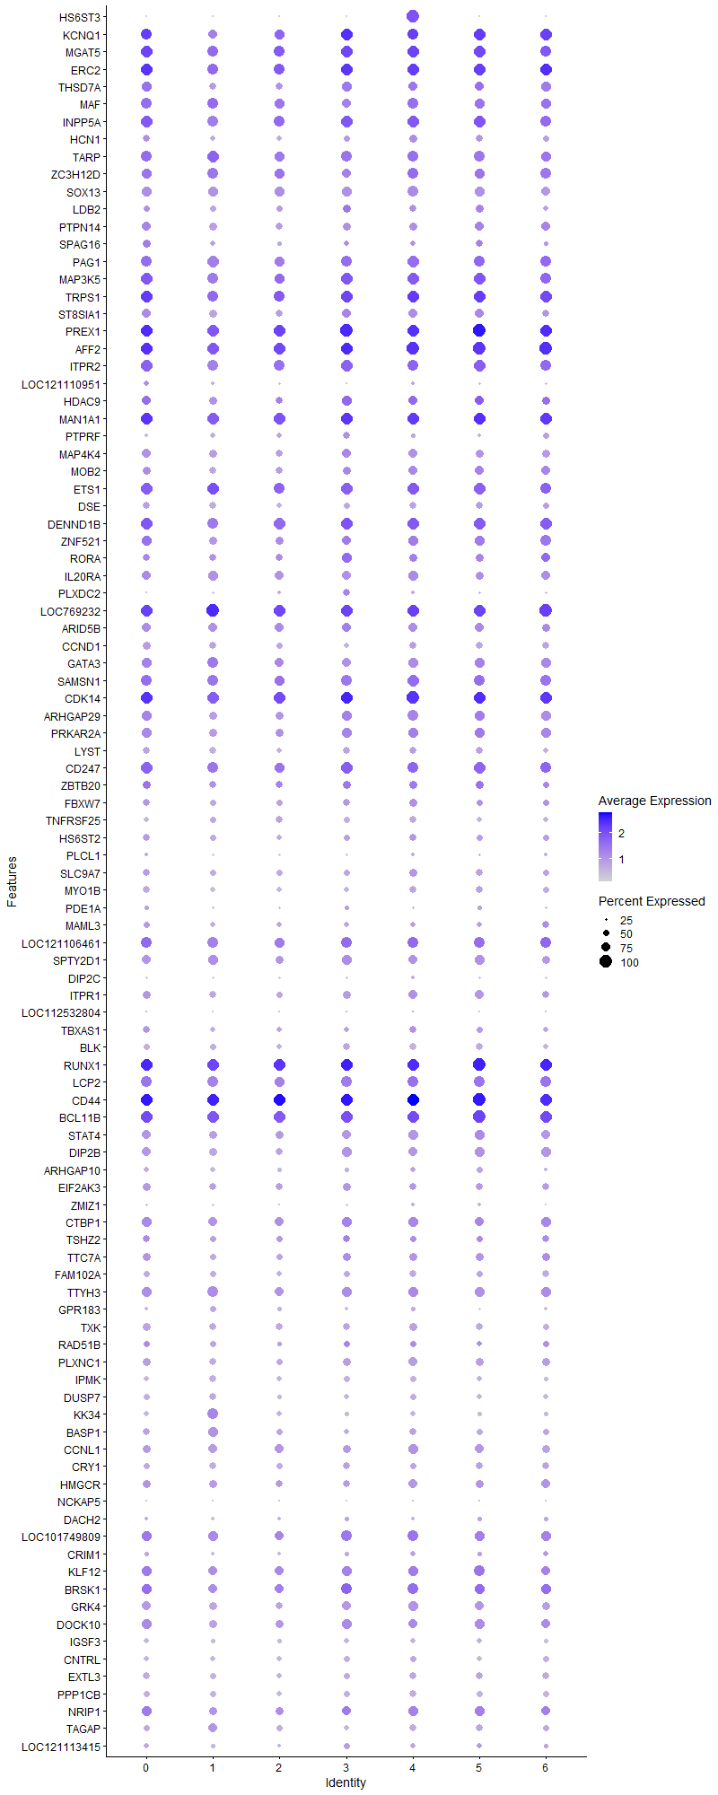
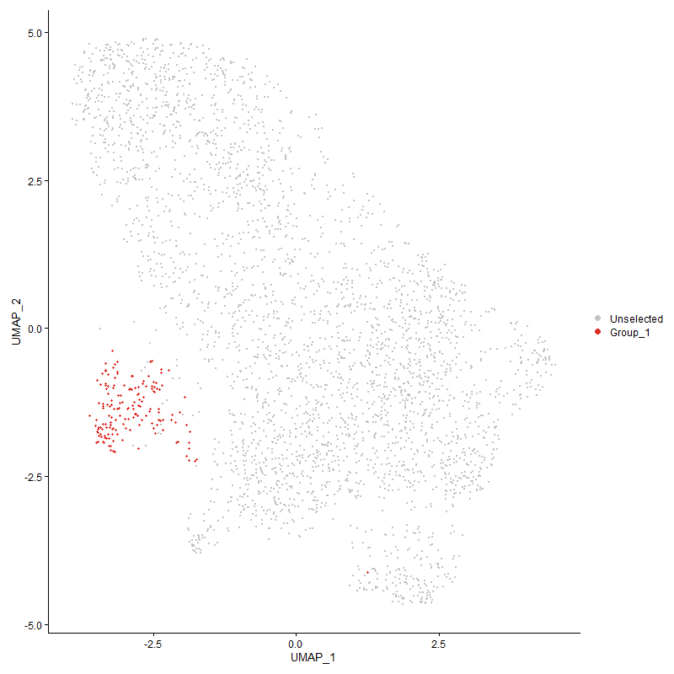
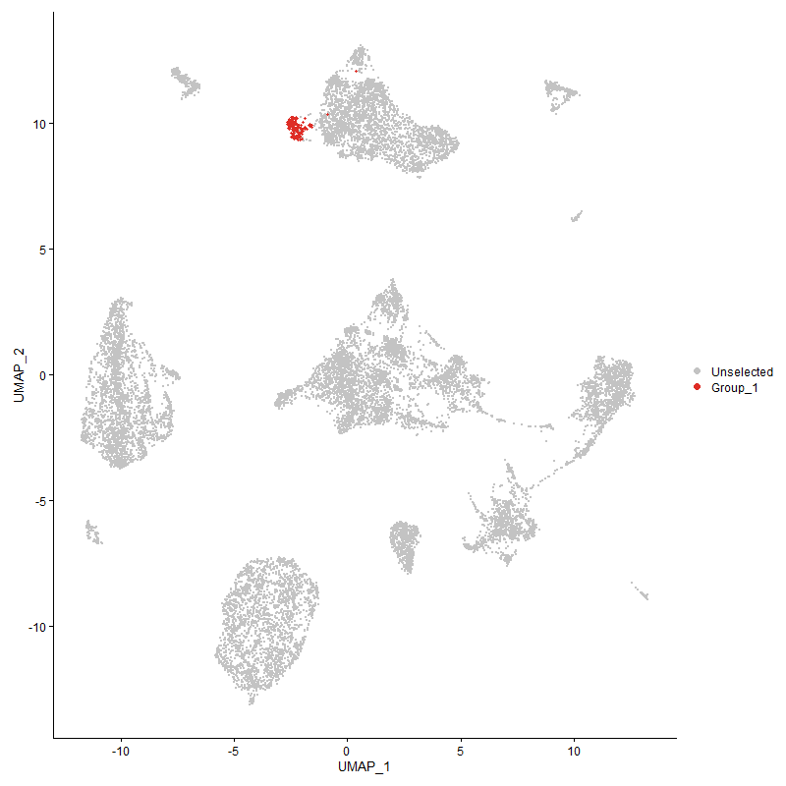
...

Cluster5
...
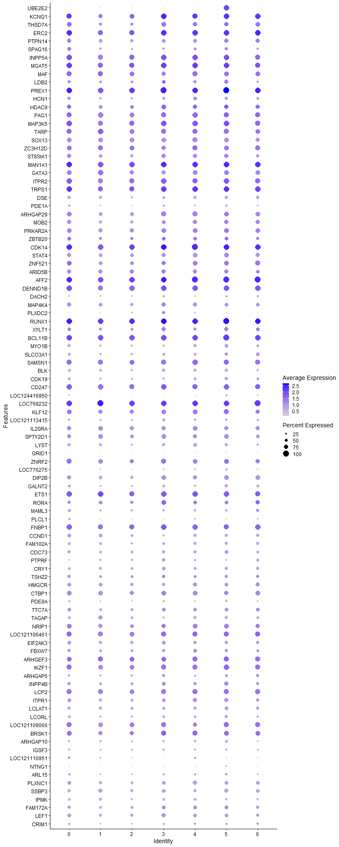
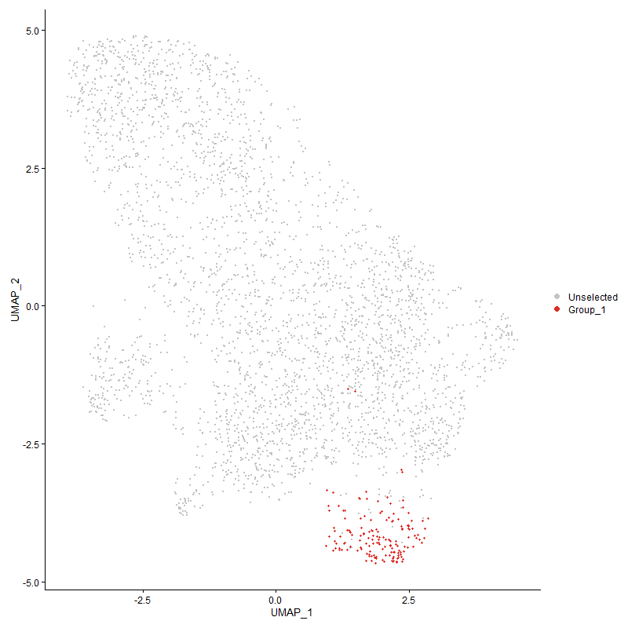
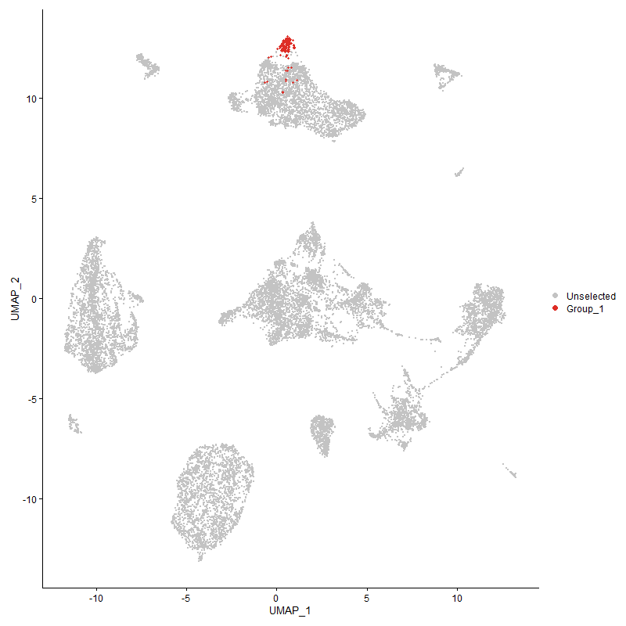
...

Cluster6
...



