Clustered cells
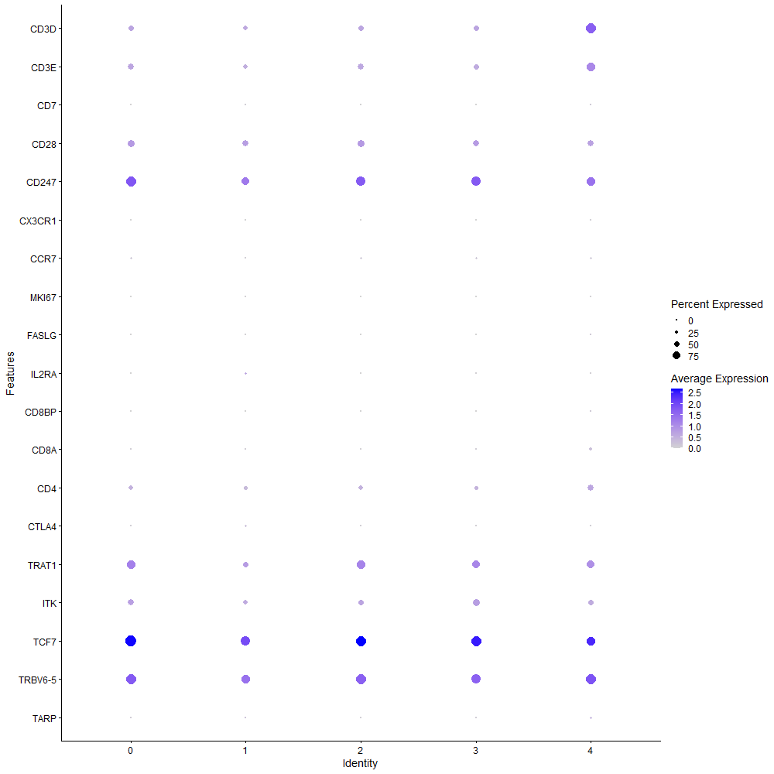
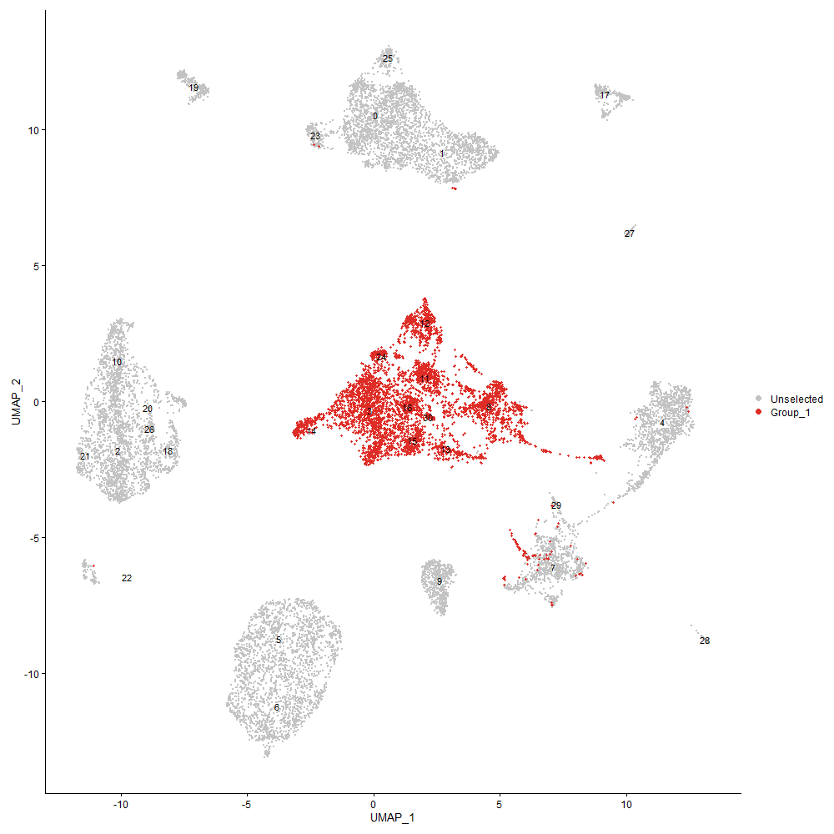
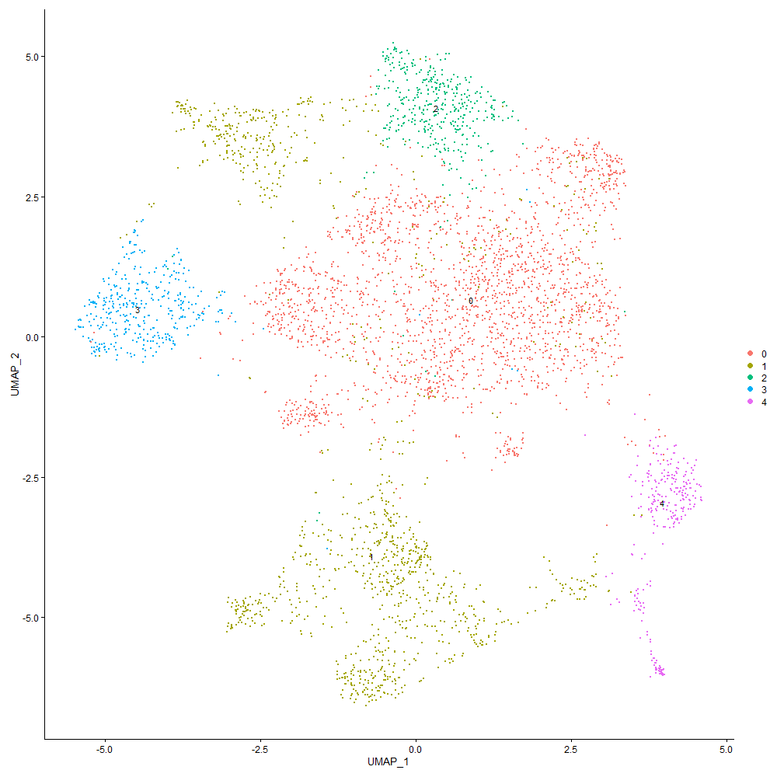
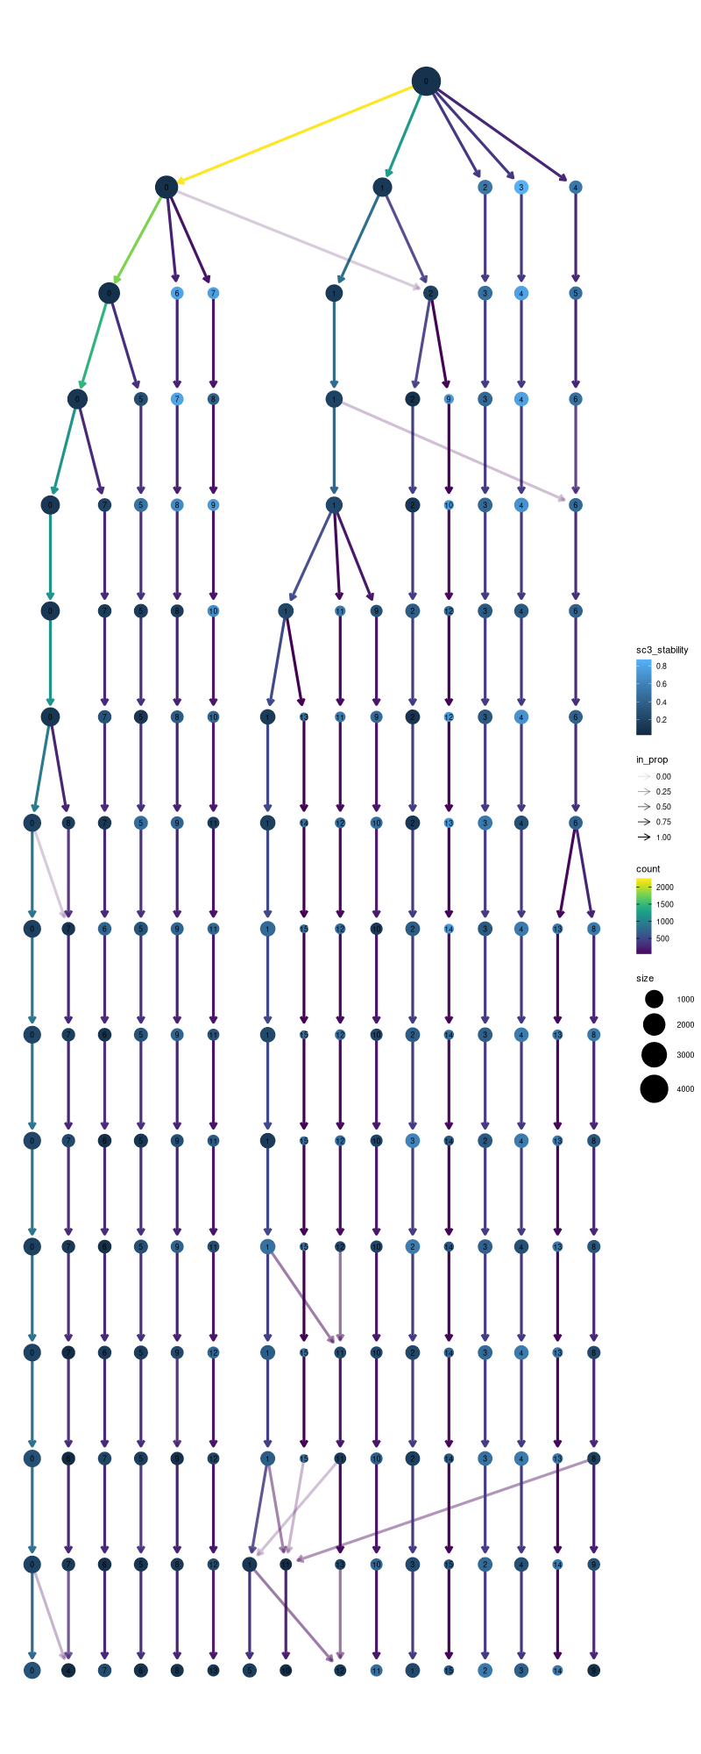

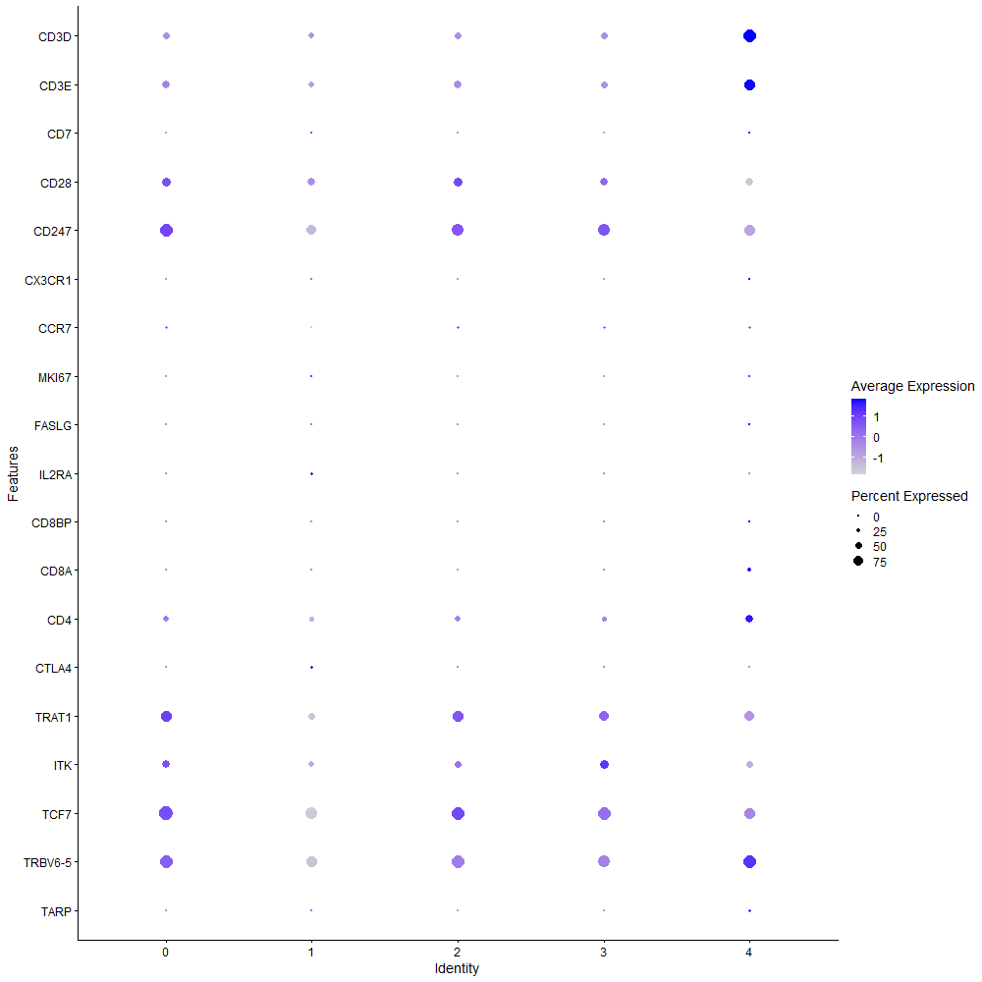
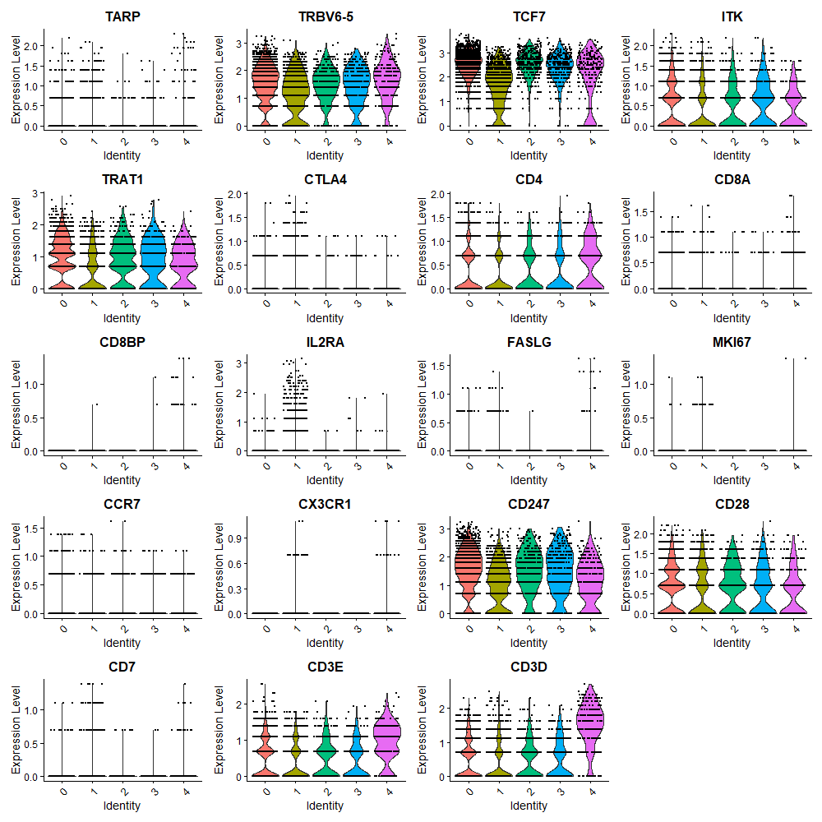

Cluster0
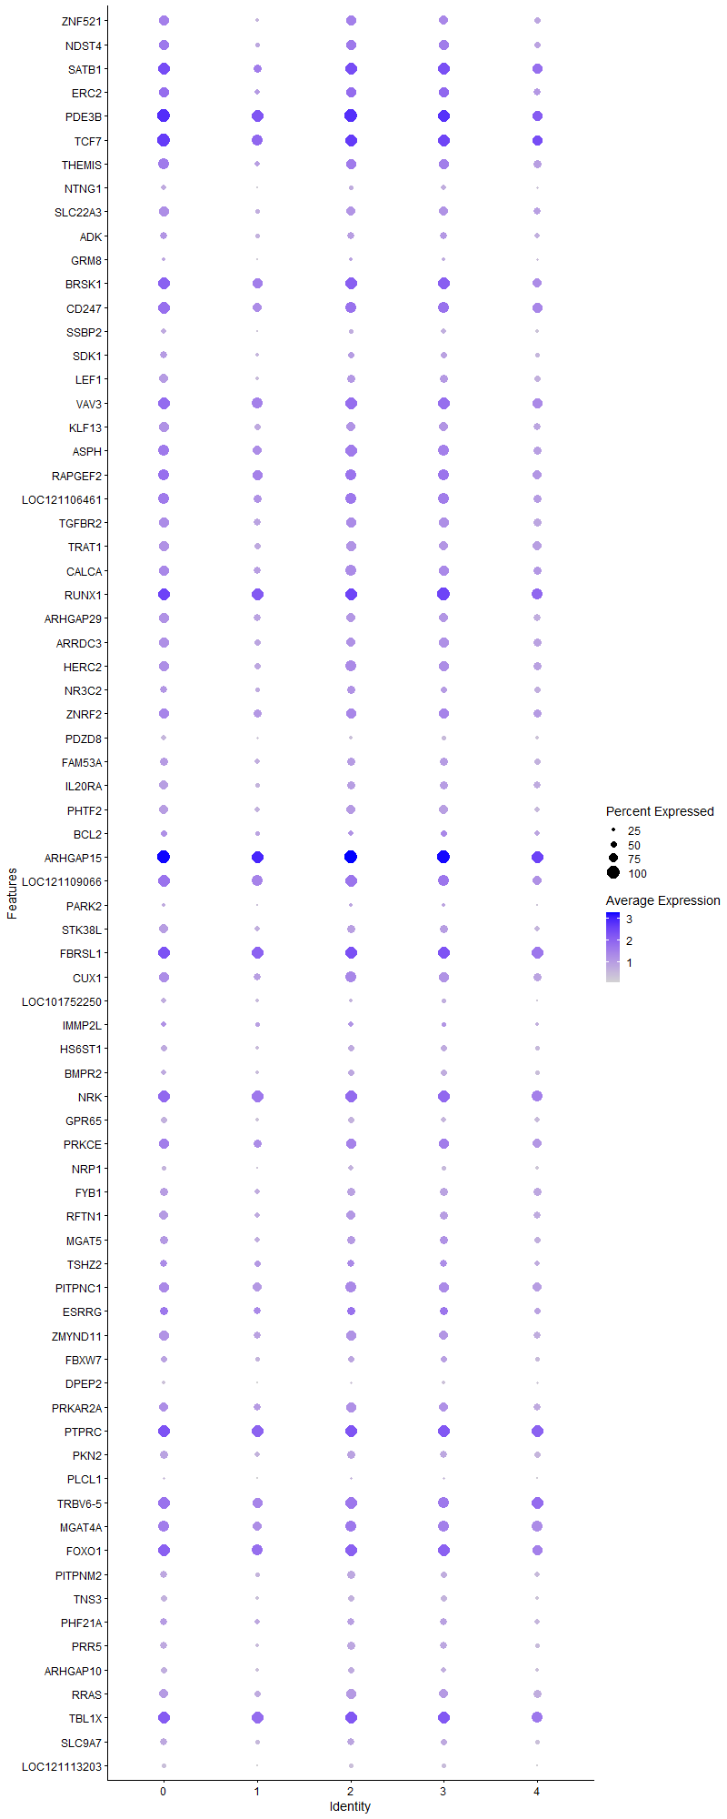
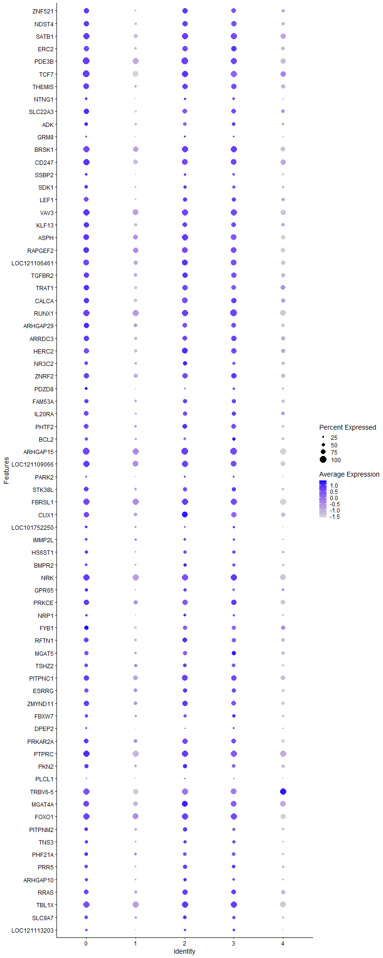
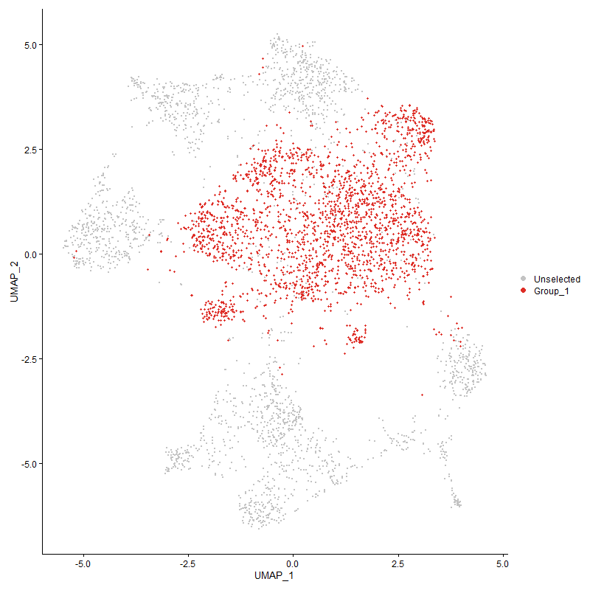
 | p_val | avg_log2FC | pct.1 | pct.2 | p_val_adj | cluster | gene
ZNF521 | 8.9641116021E-112 | 0.72102096853 | 0.8 | 0.463 | 1.3689094828E-107 | 0 | ZNF521
NDST4 | 8.5649663023E-102 | 0.70740984101 | 0.82 | 0.527 | 1.307956004E-97 | 0 | NDST4
SATB1 | 4.1952580474E-136 | 0.66209201226 | 0.99 | 0.795 | 6.4065785643E-132 | 0 | SATB1
ERC2 | 1.1656699634E-70 | 0.60141984403 | 0.818 | 0.568 | 1.780094601E-66 | 0 | ERC2
PDE3B | 2.8507398227E-123 | 0.55075526213 | 0.999 | 0.949 | 4.3533647832E-119 | 0 | PDE3B
TCF7 | 3.4080512082E-122 | 0.54342092435 | 0.999 | 0.916 | 5.204435E-118 | 0 | TCF7
THEMIS | 1.1229571656E-76 | 0.53920014927 | 0.852 | 0.605 | 1.7148678875E-72 | 0 | THEMIS
NTNG1 | 1.3524368398E-54 | 0.51516429908 | 0.401 | 0.189 | 2.065306298E-50 | 0 | NTNG1
SLC22A3 | 6.3741944639E-72 | 0.4957347632 | 0.788 | 0.524 | 9.7340323659E-68 | 0 | SLC22A3
ADK | 1.1545443051E-36 | 0.49051412168 | 0.584 | 0.415 | 1.7631046083E-32 | 0 | ADK
GRM8 | 3.0856555727E-21 | 0.47929927745 | 0.276 | 0.163 | 4.712104625E-17 | 0 | GRM8
BRSK1 | 4.5209017194E-66 | 0.45446907823 | 0.958 | 0.833 | 6.9038690156E-62 | 0 | BRSK1
CD247 | 8.8325758199E-60 | 0.44940034419 | 0.923 | 0.802 | 1.3488226535E-55 | 0 | CD247
SSBP2 | 2.7717060159E-34 | 0.43676598749 | 0.405 | 0.242 | 4.2326722568E-30 | 0 | SSBP2
SDK1 | 1.8985773644E-37 | 0.41751675092 | 0.545 | 0.357 | 2.8993174932E-33 | 0 | SDK1
LEF1 | 1.8339437173E-58 | 0.39985749492 | 0.698 | 0.432 | 2.8006154507E-54 | 0 | LEF1
VAV3 | 3.7599969207E-56 | 0.38742812567 | 0.955 | 0.899 | 5.7418912976E-52 | 0 | VAV3
KLF13 | 7.8983580007E-47 | 0.37637389257 | 0.781 | 0.583 | 1.2061582503E-42 | 0 | KLF13
ASPH | 5.1133348494E-42 | 0.37598558601 | 0.887 | 0.768 | 7.8085736485E-38 | 0 | ASPH
RAPGEF2 | 3.8203686978E-37 | 0.37241879637 | 0.907 | 0.823 | 5.8340850384E-33 | 0 | RAPGEF2
LOC121106461 | 4.5429301142E-39 | 0.37161222851 | 0.881 | 0.749 | 6.9375085773E-35 | 0 | LOC121106461
TGFBR2 | 3.6925174879E-36 | 0.36972708756 | 0.806 | 0.663 | 5.6388434558E-32 | 0 | TGFBR2
TRAT1 | 4.5674212195E-46 | 0.36684007581 | 0.805 | 0.623 | 6.9749089444E-42 | 0 | TRAT1
CALCA | 4.2895034167E-31 | 0.35563878988 | 0.817 | 0.661 | 6.5505006676E-27 | 0 | CALCA
RUNX1 | 2.2805162433E-54 | 0.34618956257 | 0.997 | 0.969 | 3.4825763552E-50 | 0 | RUNX1
ARHGAP29 | 6.332681263E-39 | 0.34172409572 | 0.786 | 0.611 | 9.6706375567E-35 | 0 | ARHGAP29
ARRDC3 | 2.799674452E-34 | 0.32691128715 | 0.788 | 0.619 | 4.2753828557E-30 | 0 | ARRDC3
HERC2 | 7.2724268074E-40 | 0.31884287589 | 0.83 | 0.655 | 1.1105722978E-35 | 0 | HERC2
NR3C2 | 3.8083594804E-15 | 0.31863975049 | 0.573 | 0.467 | 5.8157457625E-11 | 0 | NR3C2
ZNRF2 | 1.7260603762E-27 | 0.31208654746 | 0.832 | 0.734 | 2.6358668005E-23 | 0 | ZNRF2
PDZD8 | 7.2766257589E-29 | 0.3059611659 | 0.396 | 0.249 | 1.1112135196E-24 | 0 | PDZD8
FAM53A | 4.5220388232E-24 | 0.30476109464 | 0.673 | 0.536 | 6.9056054869E-20 | 0 | FAM53A
IL20RA | 4.2912133622E-40 | 0.30410359948 | 0.699 | 0.491 | 6.5531119255E-36 | 0 | IL20RA
PHTF2 | 4.5243107525E-34 | 0.30241223314 | 0.731 | 0.548 | 6.9090749502E-30 | 0 | PHTF2
BCL2 | 2.6965048345E-06 | 0.30022255378 | 0.483 | 0.425 | 0.041178325328 | 0 | BCL2
ARHGAP15 | 7.252035671E-60 | 0.3001308815 | 1 | 0.997 | 1.1074583673E-55 | 0 | ARHGAP15
LOC121109066 | 4.0103739113E-29 | 0.29783972119 | 0.935 | 0.866 | 6.124242E-25 | 0 | LOC121109066
PARK2 | 9.1542746061E-06 | 0.29381370932 | 0.242 | 0.194 | 0.13979492751 | 0 | PARK2
STK38L | 6.1323505108E-30 | 0.29127484952 | 0.7 | 0.524 | 9.364712465E-26 | 0 | STK38L
FBRSL1 | 5.17005313E-42 | 0.28706363703 | 0.992 | 0.977 | 7.8951881349E-38 | 0 | FBRSL1
CUX1 | 3.1425054709E-32 | 0.2865952871 | 0.835 | 0.675 | 4.7989201046E-28 | 0 | CUX1
LOC101752250 | 2.3736115535E-19 | 0.28566488702 | 0.409 | 0.287 | 3.6247422034E-15 | 0 | LOC101752250
IMMP2L | 2.5863879199E-06 | 0.28446556556 | 0.403 | 0.341 | 0.039496729925 | 0 | IMMP2L
HS6ST1 | 7.0472305534E-24 | 0.28382476897 | 0.505 | 0.352 | 1.0761825778E-19 | 0 | HS6ST1
BMPR2 | 1.6987771076E-13 | 0.28284091408 | 0.45 | 0.358 | 2.594202521E-09 | 0 | BMPR2
NRK | 2.69905627E-37 | 0.28270260729 | 0.981 | 0.939 | 4.12172883E-33 | 0 | NRK
GPR65 | 3.1196944283E-29 | 0.28256799893 | 0.515 | 0.351 | 4.7640853615E-25 | 0 | GPR65
PRKCE | 1.015156281E-18 | 0.28197807742 | 0.811 | 0.723 | 1.5502451567E-14 | 0 | PRKCE
NRP1 | 1.2849735353E-20 | 0.28195394653 | 0.356 | 0.23 | 1.9622830857E-16 | 0 | NRP1
FYB1 | 1.9044318853E-22 | 0.28104429852 | 0.678 | 0.542 | 2.908257932E-18 | 0 | FYB1
RFTN1 | 2.2381109763E-32 | 0.27948642513 | 0.733 | 0.542 | 3.4178192719E-28 | 0 | RFTN1
MGAT5 | 2.3573850892E-18 | 0.27683312974 | 0.641 | 0.53 | 3.5999627697E-14 | 0 | MGAT5
TSHZ2 | 2.3425366075E-12 | 0.27679978063 | 0.598 | 0.517 | 3.5772876533E-08 | 0 | TSHZ2
PITPNC1 | 8.5397941306E-23 | 0.27570457697 | 0.834 | 0.748 | 1.3041119617E-18 | 0 | PITPNC1
ESRRG | 5.6190042151E-13 | 0.27462969249 | 0.684 | 0.594 | 8.5807813369E-09 | 0 | ESRRG
ZMYND11 | 2.8582051648E-27 | 0.27443292425 | 0.791 | 0.651 | 4.3647651071E-23 | 0 | ZMYND11
FBXW7 | 4.5587719873E-20 | 0.27439248481 | 0.529 | 0.389 | 6.9617007018E-16 | 0 | FBXW7
DPEP2 | 1.6396597001E-40 | 0.27382042542 | 0.287 | 0.124 | 2.5039243281E-36 | 0 | DPEP2
PRKAR2A | 2.3261405429E-18 | 0.2722821597 | 0.768 | 0.672 | 3.5522492231E-14 | 0 | PRKAR2A
PTPRC | 3.9062330045E-39 | 0.27220862582 | 0.995 | 0.983 | 5.9652084211E-35 | 0 | PTPRC
PKN2 | 1.3920732201E-26 | 0.27064737493 | 0.646 | 0.484 | 2.1258350145E-22 | 0 | PKN2
PLCL1 | 9.8866241165E-15 | 0.269513789 | 0.2 | 0.116 | 1.5097863688E-10 | 0 | PLCL1
TRBV6-5 | 3.6265230227E-25 | 0.26750406406 | 0.931 | 0.85 | 5.538063308E-21 | 0 | TRBV6-5
MGAT4A | 1.4364820412E-25 | 0.2673711033 | 0.91 | 0.823 | 2.1936517251E-21 | 0 | MGAT4A
FOXO1 | 8.3359702384E-24 | 0.26595852128 | 0.959 | 0.916 | 1.2729860151E-19 | 0 | FOXO1
PITPNM2 | 1.0950295207E-22 | 0.26550874676 | 0.597 | 0.443 | 1.672219581E-18 | 0 | PITPNM2
TNS3 | 2.0939123854E-24 | 0.26467058325 | 0.495 | 0.345 | 3.1976136037E-20 | 0 | TNS3
PHF21A | 3.2905140008E-13 | 0.26383014627 | 0.592 | 0.494 | 5.0249439306E-09 | 0 | PHF21A
PRR5 | 7.4975287385E-26 | 0.26305168201 | 0.574 | 0.409 | 1.1449476137E-21 | 0 | PRR5
ARHGAP10 | 2.2674405445E-21 | 0.26111018257 | 0.469 | 0.326 | 3.4626084555E-17 | 0 | ARHGAP10
RRAS | 4.006313435E-22 | 0.26002836963 | 0.744 | 0.61 | 6.1180412466E-18 | 0 | RRAS
TBL1X | 8.1033043563E-26 | 0.25763950176 | 0.968 | 0.941 | 1.2374556082E-21 | 0 | TBL1X
SLC9A7 | 1.9133886981E-26 | 0.25436079932 | 0.579 | 0.413 | 2.9219358809E-22 | 0 | SLC9A7
LOC121113203 | 2.8038723507E-32 | 0.25252214752 | 0.329 | 0.174 | 4.2817934667E-28 | 0 | LOC121113203

Cluster1
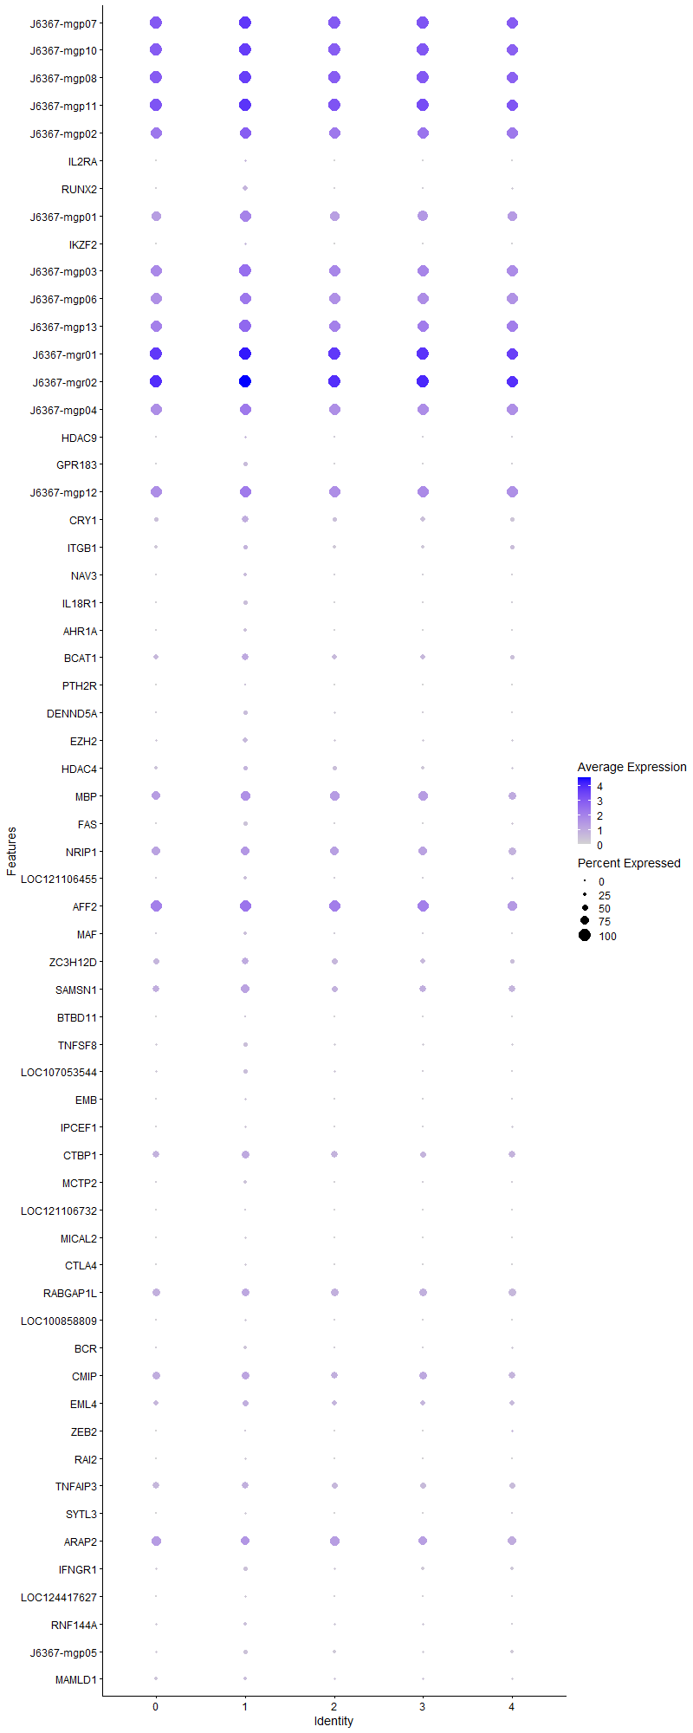
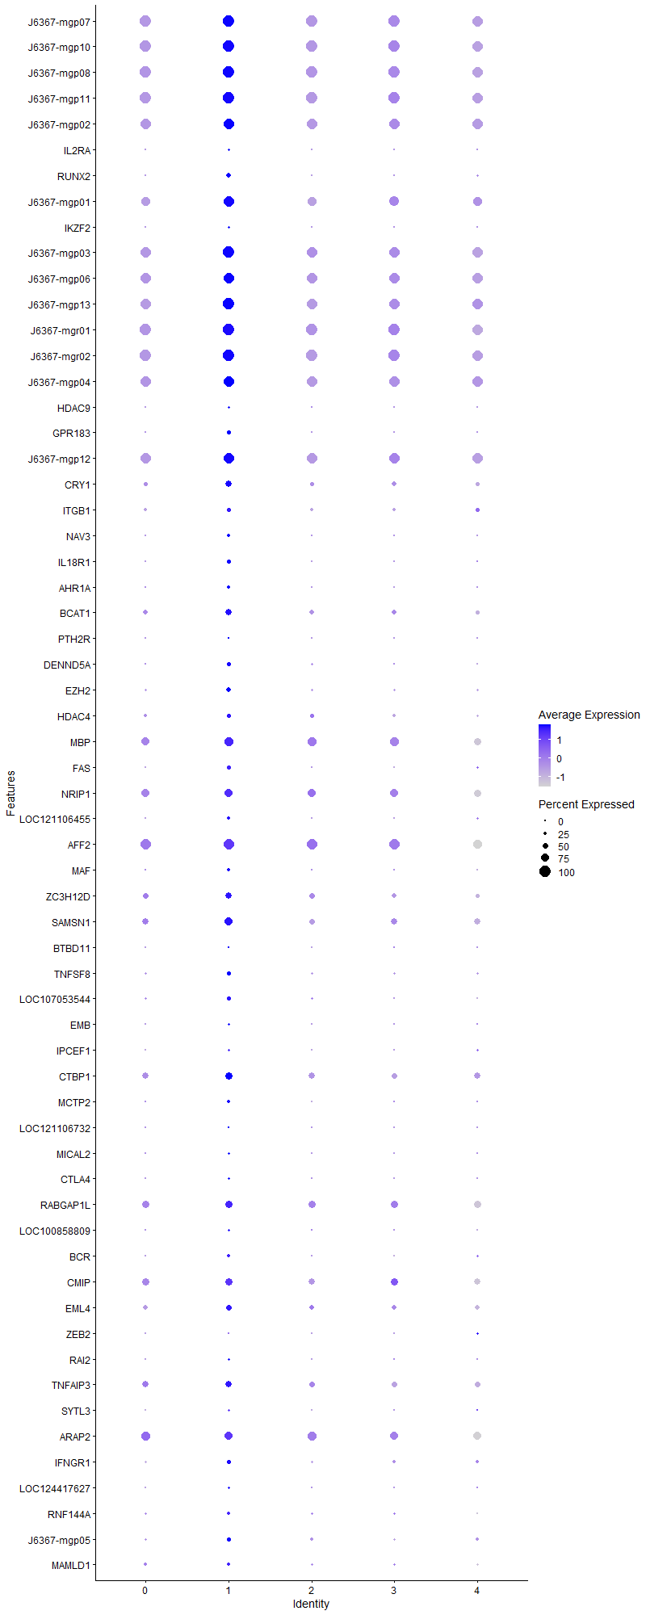
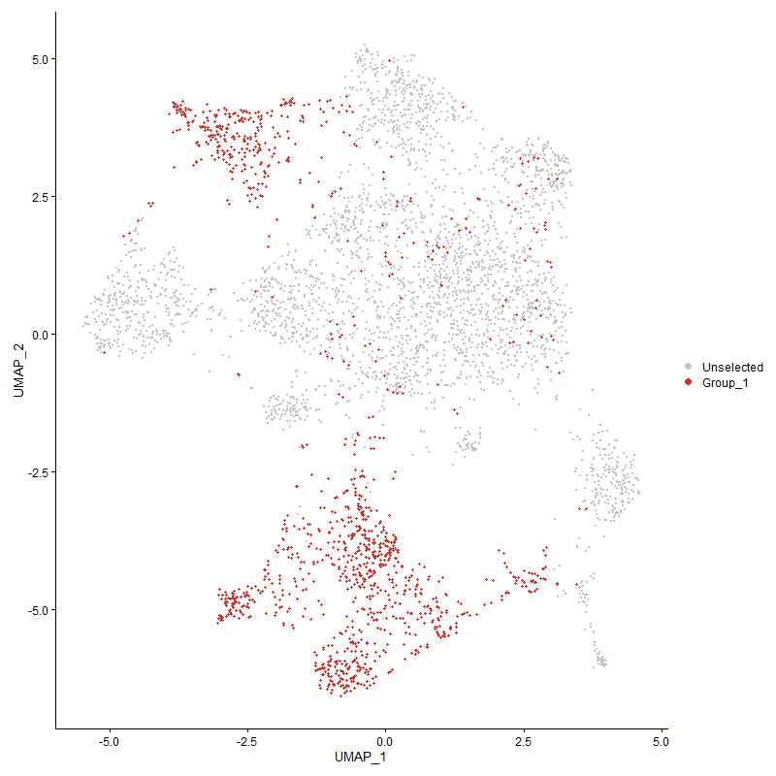
 | p_val | avg_log2FC | pct.1 | pct.2 | p_val_adj | cluster | gene
J6367-mgp07 | 3.2430997796E-196 | 1.0926710764 | 1 | 0.998 | 4.9525376735E-192 | 1 | J6367-mgp07
J6367-mgp10 | 5.1096626115E-152 | 0.99607999184 | 1 | 0.998 | 7.802965774E-148 | 1 | J6367-mgp10
J6367-mgp08 | 4.6370684051E-175 | 0.99005846447 | 1 | 0.998 | 7.0812671614E-171 | 1 | J6367-mgp08
J6367-mgp11 | 6.7139667661E-202 | 0.98023753001 | 1 | 0.998 | 1.0252898649E-197 | 1 | J6367-mgp11
J6367-mgp02 | 6.1821929859E-143 | 0.93491175389 | 0.998 | 0.994 | 9.4408269088E-139 | 1 | J6367-mgp02
IL2RA | 3.2775452132E-130 | 0.91638676729 | 0.208 | 0.01 | 5.0051392951E-126 | 1 | IL2RA
RUNX2 | 1.2825679099E-143 | 0.90519847003 | 0.388 | 0.082 | 1.9586094552E-139 | 1 | RUNX2
J6367-mgp01 | 4.3892062101E-81 | 0.90343360857 | 0.929 | 0.81 | 6.7027568035E-77 | 1 | J6367-mgp01
IKZF2 | 7.09296451E-117 | 0.88992186898 | 0.201 | 0.013 | 1.0831666103E-112 | 1 | IKZF2
J6367-mgp03 | 8.8863619455E-152 | 0.87256000081 | 0.999 | 0.979 | 1.3570363327E-147 | 1 | J6367-mgp03
J6367-mgp06 | 2.6263569382E-121 | 0.86563251505 | 0.987 | 0.956 | 4.0107096804E-117 | 1 | J6367-mgp06
J6367-mgp13 | 2.8485986389E-141 | 0.84040265992 | 1 | 0.992 | 4.3500949815E-137 | 1 | J6367-mgp13
J6367-mgr01 | 6.2775733639E-146 | 0.82718247887 | 1 | 0.998 | 9.586482284E-142 | 1 | J6367-mgr01
J6367-mgr02 | 5.0155333785E-104 | 0.80412220222 | 1 | 0.998 | 7.6592210223E-100 | 1 | J6367-mgr02
J6367-mgp04 | 3.2354076598E-97 | 0.75777460214 | 0.991 | 0.965 | 4.9407910372E-93 | 1 | J6367-mgp04
HDAC9 | 2.6241681155E-45 | 0.75148882685 | 0.178 | 0.049 | 4.0073671291E-41 | 1 | HDAC9
GPR183 | 1.9072351804E-111 | 0.68786900329 | 0.307 | 0.061 | 2.9125388441E-107 | 1 | GPR183
J6367-mgp12 | 1.0641779593E-109 | 0.68055799519 | 0.991 | 0.963 | 1.6251061616E-105 | 1 | J6367-mgp12
CRY1 | 1.2552287152E-47 | 0.67215115503 | 0.532 | 0.361 | 1.916859771E-43 | 1 | CRY1
ITGB1 | 1.2774962115E-21 | 0.66675976739 | 0.352 | 0.249 | 1.9508644646E-17 | 1 | ITGB1
NAV3 | 1.0990361292E-77 | 0.65539252929 | 0.259 | 0.061 | 1.6783380728E-73 | 1 | NAV3
IL18R1 | 7.3561184498E-135 | 0.62346235096 | 0.34 | 0.061 | 1.1233528485E-130 | 1 | IL18R1
AHR1A | 1.2774222664E-113 | 0.5822086158 | 0.267 | 0.038 | 1.9507515431E-109 | 1 | AHR1A
BCAT1 | 5.9909363693E-27 | 0.55687872221 | 0.544 | 0.425 | 9.1487589296E-23 | 1 | BCAT1
PTH2R | 1.4942002951E-70 | 0.53937383246 | 0.108 | 0.003 | 2.2817932707E-66 | 1 | PTH2R
DENND5A | 8.5465730325E-83 | 0.53320869446 | 0.374 | 0.126 | 1.3051471678E-78 | 1 | DENND5A
EZH2 | 1.2701582908E-49 | 0.52245593927 | 0.375 | 0.175 | 1.9396587259E-45 | 1 | EZH2
HDAC4 | 5.2481062735E-16 | 0.4964184902 | 0.351 | 0.257 | 8.0143830903E-12 | 1 | HDAC4
MBP | 1.8680699867E-15 | 0.47328323789 | 0.784 | 0.759 | 2.8527296768E-11 | 1 | MBP
FAS | 2.8823644241E-101 | 0.45896373659 | 0.305 | 0.066 | 4.401658712E-97 | 1 | FAS
NRIP1 | 5.9546512613E-14 | 0.45778847654 | 0.714 | 0.727 | 9.0933479412E-10 | 1 | NRIP1
LOC121106455 | 7.4017032599E-51 | 0.45614901547 | 0.276 | 0.099 | 1.1303141048E-46 | 1 | LOC121106455
AFF2 | 1.232870751E-13 | 0.44596028243 | 0.962 | 0.951 | 1.8827169239E-09 | 1 | AFF2
MAF | 4.1533450215E-42 | 0.42492383374 | 0.259 | 0.103 | 6.3425731823E-38 | 1 | MAF
ZC3H12D | 2.1227180235E-19 | 0.41524797057 | 0.551 | 0.461 | 3.2416026937E-15 | 1 | ZC3H12D
SAMSN1 | 9.7727598143E-29 | 0.41428967939 | 0.697 | 0.565 | 1.4923981512E-24 | 1 | SAMSN1
BTBD11 | 1.8643444239E-60 | 0.40597617738 | 0.133 | 0.016 | 2.8470403698E-56 | 1 | BTBD11
TNFSF8 | 8.9764120439E-42 | 0.39712960956 | 0.338 | 0.162 | 1.3707878832E-37 | 1 | TNFSF8
LOC107053544 | 7.6835023537E-34 | 0.39605729994 | 0.309 | 0.153 | 1.1733476444E-29 | 1 | LOC107053544
EMB | 5.1698779571E-24 | 0.37260113072 | 0.181 | 0.08 | 7.8949206282E-20 | 1 | EMB
IPCEF1 | 8.7236216258E-48 | 0.35384921125 | 0.199 | 0.057 | 1.3321842585E-43 | 1 | IPCEF1
CTBP1 | 2.9546253393E-16 | 0.35025964723 | 0.618 | 0.545 | 4.5120083557E-12 | 1 | CTBP1
MCTP2 | 4.890128296E-35 | 0.33400642239 | 0.243 | 0.102 | 7.4677149209E-31 | 1 | MCTP2
LOC121106732 | 7.3430701688E-59 | 0.3198903687 | 0.124 | 0.013 | 1.1213602455E-54 | 1 | LOC121106732
MICAL2 | 3.6037887866E-81 | 0.31873421912 | 0.15 | 0.011 | 5.5033458559E-77 | 1 | MICAL2
CTLA4 | 3.3566091557E-55 | 0.30810637085 | 0.189 | 0.045 | 5.1258778417E-51 | 1 | CTLA4
RABGAP1L | 3.2517980252E-14 | 0.30494063993 | 0.652 | 0.638 | 4.9658207642E-10 | 1 | RABGAP1L
LOC100858809 | 5.0820266145E-55 | 0.30126261333 | 0.205 | 0.052 | 7.760762843E-51 | 1 | LOC100858809
BCR | 4.3140382517E-23 | 0.29576279816 | 0.231 | 0.116 | 6.5879678141E-19 | 1 | BCR
CMIP | 3.5243896501E-06 | 0.29506906772 | 0.642 | 0.628 | 0.053820954347 | 1 | CMIP
EML4 | 4.3258732572E-15 | 0.2938990607 | 0.505 | 0.388 | 6.606041051E-11 | 1 | EML4
ZEB2 | 5.5601029884E-35 | 0.28972937227 | 0.111 | 0.023 | 8.4908332736E-31 | 1 | ZEB2
RAI2 | 2.2612559293E-76 | 0.2839434451 | 0.191 | 0.029 | 3.4531639296E-72 | 1 | RAI2
TNFAIP3 | 1.1325349262E-07 | 0.28257138034 | 0.539 | 0.522 | 0.0017294940857 | 1 | TNFAIP3
SYTL3 | 4.4026616646E-58 | 0.28074089717 | 0.145 | 0.022 | 6.7233046279E-54 | 1 | SYTL3
ARAP2 | 3.0984821762E-05 | 0.27722355304 | 0.745 | 0.796 | 0.47316921313 | 1 | ARAP2
IFNGR1 | 3.3418776218E-14 | 0.27388947516 | 0.308 | 0.213 | 5.1033813163E-10 | 1 | IFNGR1
LOC124417627 | 2.1621986081E-35 | 0.27169649629 | 0.17 | 0.055 | 3.3018934944E-31 | 1 | LOC124417627
RNF144A | 8.9664307517E-14 | 0.26588473179 | 0.276 | 0.18 | 1.3692636401E-09 | 1 | RNF144A
J6367-mgp05 | 4.9953364517E-21 | 0.26168833986 | 0.333 | 0.212 | 7.6283782953E-17 | 1 | J6367-mgp05
MAMLD1 | 8.4595033466E-09 | 0.25693153122 | 0.295 | 0.22 | 0.00012918507561 | 1 | MAMLD1

Cluster2
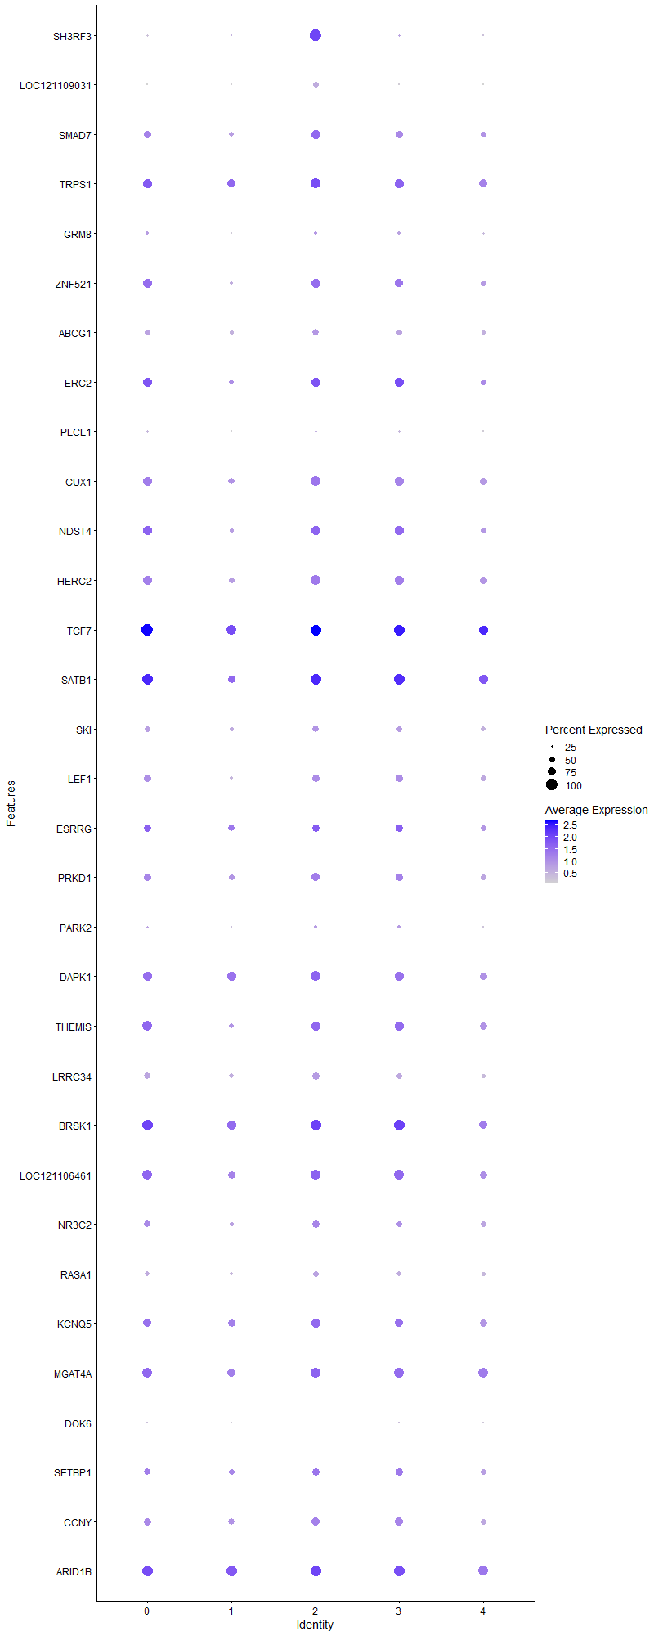
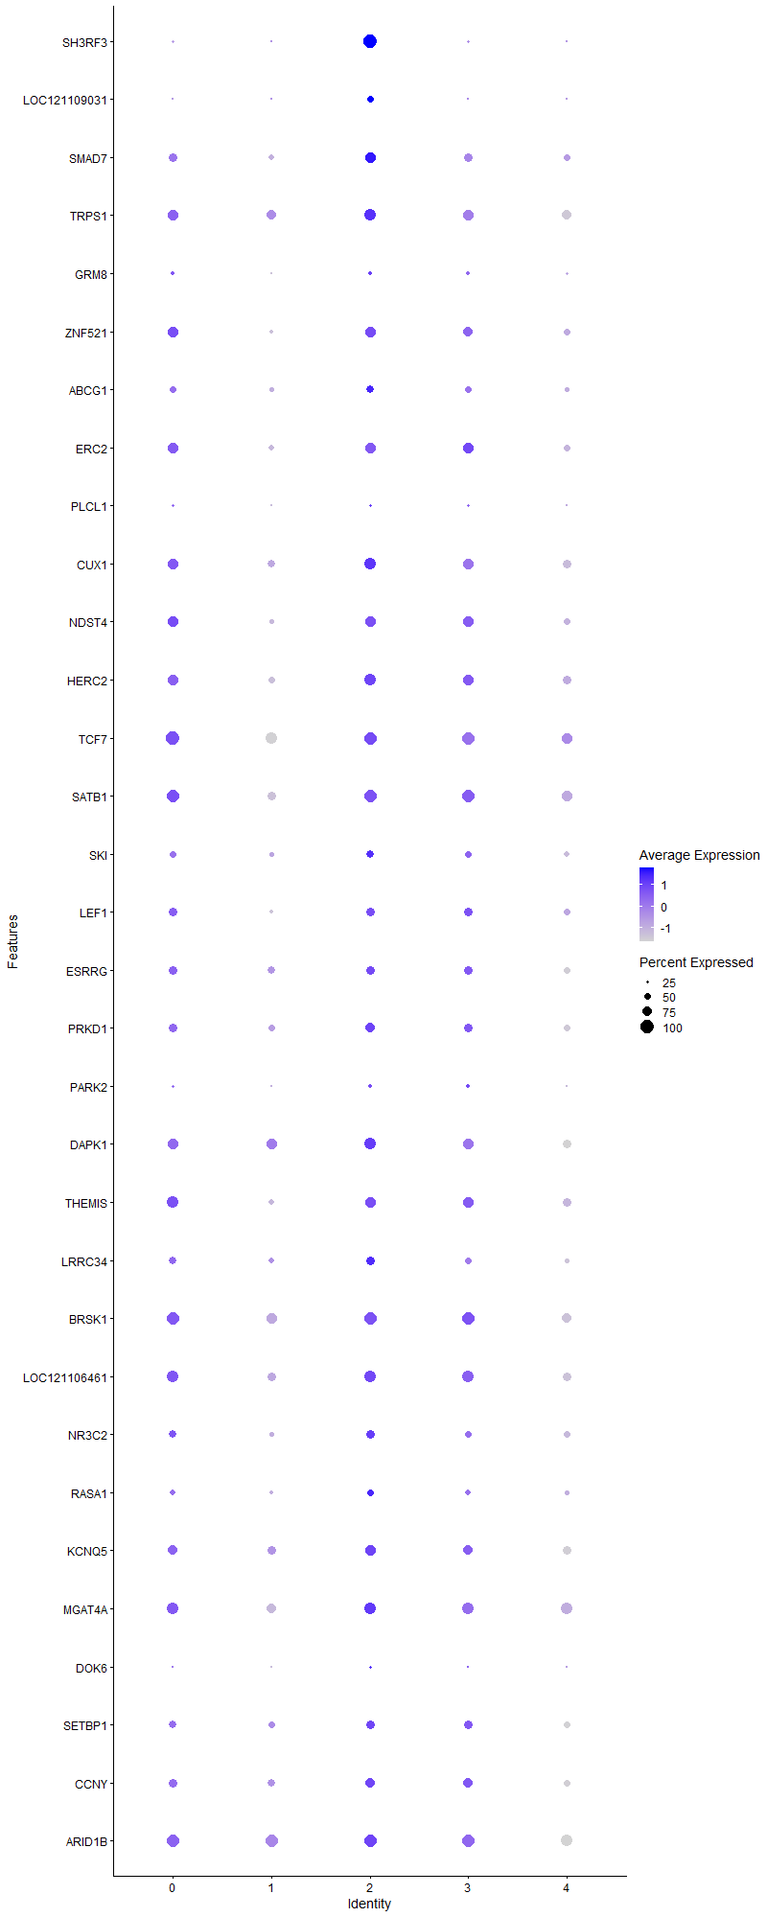
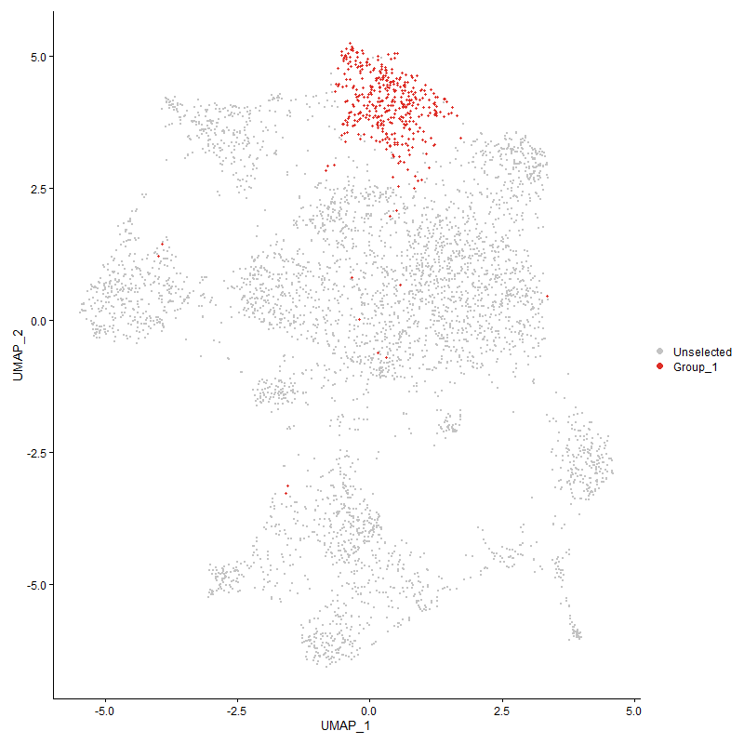
 | p_val | avg_log2FC | pct.1 | pct.2 | p_val_adj | cluster | gene
SH3RF3 | 0 | 2.3239187516 | 1 | 0.185 | 0 | 2 | SH3RF3
LOC121109031 | 1.0689241549E-166 | 0.75968896821 | 0.507 | 0.068 | 1.6323540769E-162 | 2 | LOC121109031
SMAD7 | 1.8187515819E-36 | 0.69690185633 | 0.838 | 0.565 | 2.7774155407E-32 | 2 | SMAD7
TRPS1 | 2.2582181898E-10 | 0.38049694816 | 0.885 | 0.803 | 3.4485249976E-06 | 2 | TRPS1
GRM81 | 7.5346717545E-06 | 0.37519358722 | 0.3 | 0.211 | 0.11506197236 | 2 | GRM8
ZNF5211 | 1.7784140263E-12 | 0.3709245564 | 0.78 | 0.615 | 2.7158160596E-08 | 2 | ZNF521
ABCG1 | 1.4392625413E-12 | 0.33963370641 | 0.618 | 0.443 | 2.1978978269E-08 | 2 | ABCG1
ERC21 | 4.8109151265E-07 | 0.32050804487 | 0.805 | 0.681 | 0.0073467484897 | 2 | ERC2
PLCL11 | 6.0811266025E-06 | 0.31894765367 | 0.232 | 0.151 | 0.092864884347 | 2 | PLCL1
CUX11 | 1.6604226522E-11 | 0.31889082887 | 0.868 | 0.743 | 2.5356314321E-07 | 2 | CUX1
NDST41 | 7.4299874583E-10 | 0.31562091055 | 0.812 | 0.658 | 1.1346333848E-05 | 2 | NDST4
HERC21 | 3.4121827354E-12 | 0.31181985072 | 0.858 | 0.731 | 5.2107442553E-08 | 2 | HERC2
TCF71 | 2.8217498023E-16 | 0.30712894947 | 0.998 | 0.953 | 4.3090941232E-12 | 2 | TCF7
SATB11 | 7.4028954851E-13 | 0.30692467715 | 0.98 | 0.883 | 1.1304961695E-08 | 2 | SATB1
SKI | 1.0206792666E-08 | 0.30644524883 | 0.605 | 0.464 | 0.0001558679308 | 2 | SKI
LEF11 | 4.1626827943E-09 | 0.30284634255 | 0.693 | 0.551 | 6.3568328952E-05 | 2 | LEF1
ESRRG1 | 0.00024867703842 | 0.29933744861 | 0.693 | 0.633 | 1 | 2 | ESRRG
PRKD1 | 1.9219140571E-07 | 0.29618548952 | 0.738 | 0.614 | 0.0029349549565 | 2 | PRKD1
PARK21 | 0.00017121955321 | 0.29543625017 | 0.288 | 0.211 | 1 | 2 | PARK2
DAPK1 | 3.4443380471E-09 | 0.2846776049 | 0.882 | 0.813 | 5.2598486318E-05 | 2 | DAPK1
THEMIS1 | 9.9919782216E-09 | 0.28458794397 | 0.843 | 0.715 | 0.00015258749942 | 2 | THEMIS
LRRC34 | 4.9277721038E-13 | 0.27937298112 | 0.69 | 0.511 | 7.5252007797E-09 | 2 | LRRC34
BRSK11 | 1.2420471159E-10 | 0.27795429003 | 0.968 | 0.888 | 1.8967301507E-06 | 2 | BRSK1
LOC1211064611 | 1.1665031164E-09 | 0.27682391465 | 0.917 | 0.804 | 1.7813669091E-05 | 2 | LOC121106461
NR3C21 | 3.8056231148E-08 | 0.27664315699 | 0.652 | 0.506 | 0.00058115670587 | 2 | NR3C2
RASA1 | 1.8880141338E-06 | 0.27551721048 | 0.502 | 0.399 | 0.028831863838 | 2 | RASA1
KCNQ5 | 0.00050165840974 | 0.27000257119 | 0.777 | 0.74 | 1 | 2 | KCNQ5
MGAT4A1 | 2.4696467917E-06 | 0.26659872789 | 0.897 | 0.863 | 0.037713976157 | 2 | MGAT4A
DOK6 | 1.4315778392E-05 | 0.25806908693 | 0.182 | 0.111 | 0.21861625182 | 2 | DOK6
SETBP1 | 9.8309936324E-06 | 0.25691077752 | 0.698 | 0.589 | 0.15012910376 | 2 | SETBP1
CCNY | 1.4440715199E-06 | 0.255092177 | 0.725 | 0.648 | 0.022052416181 | 2 | CCNY
ARID1B | 6.8694792414E-09 | 0.25170087835 | 0.963 | 0.949 | 0.0001049038175 | 2 | ARID1B

Cluster3
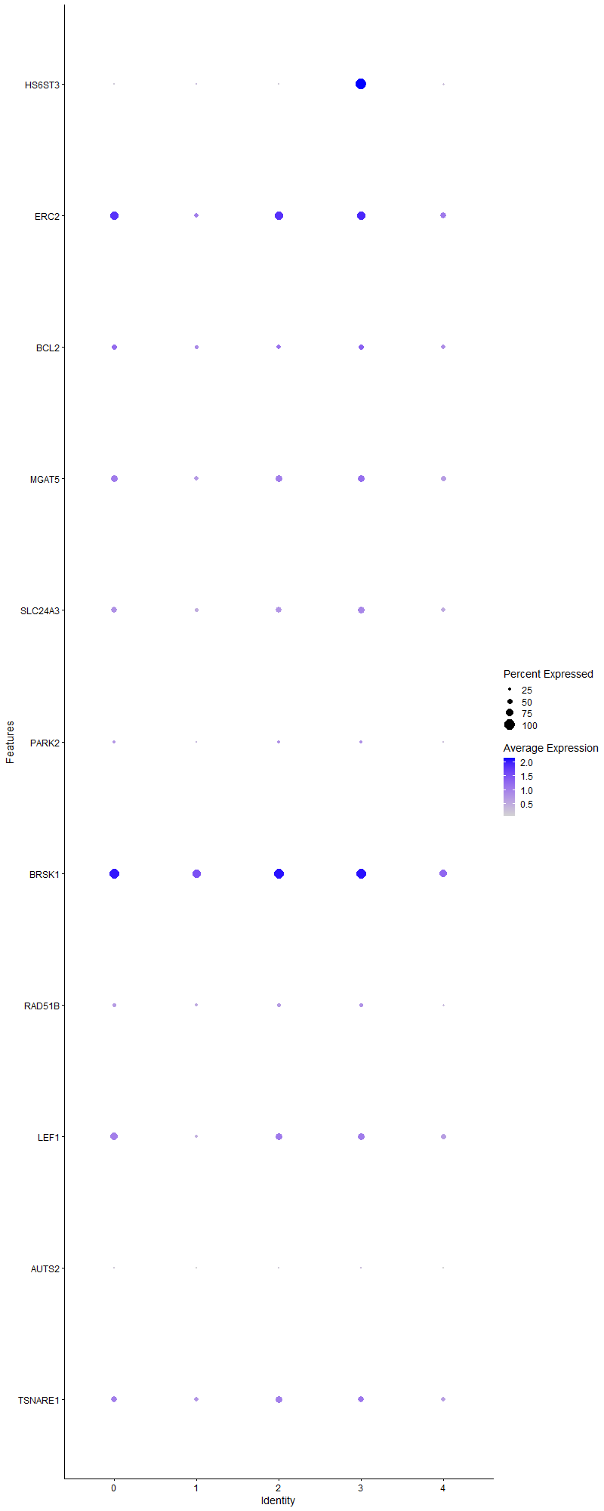
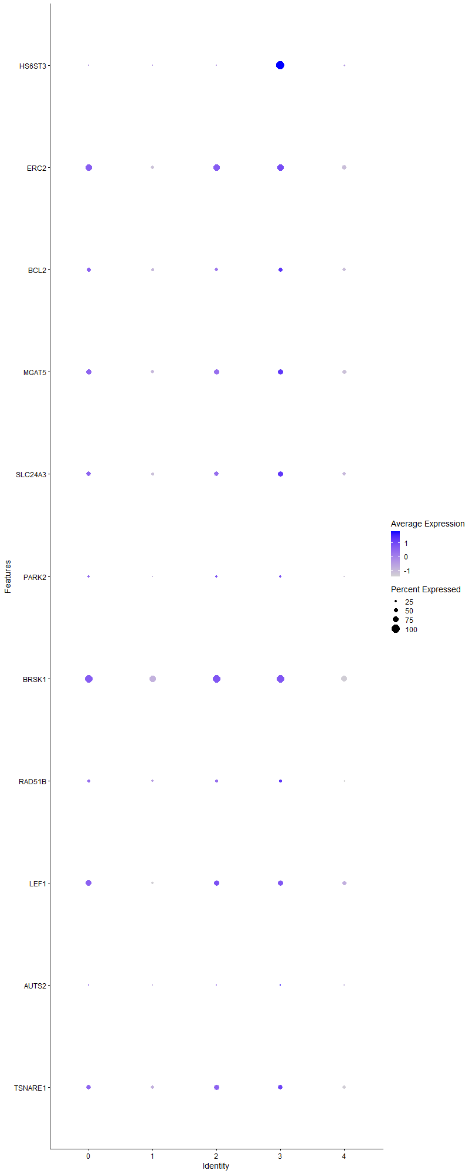
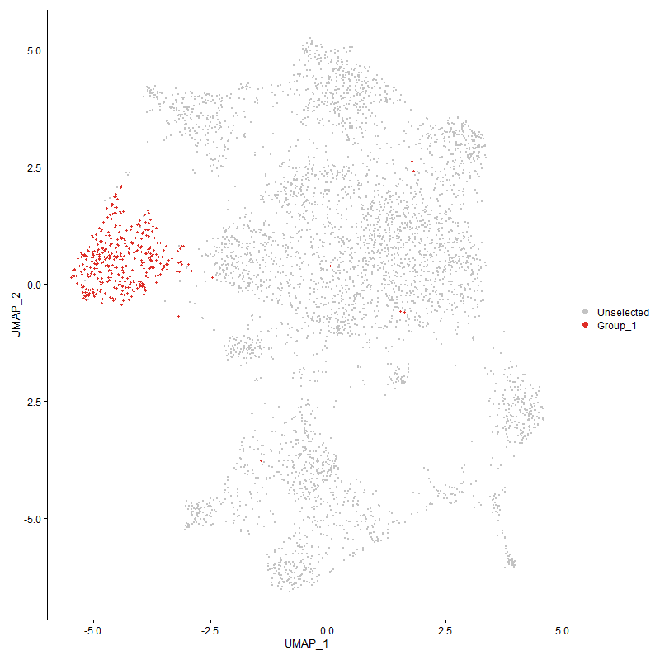
 | p_val | avg_log2FC | pct.1 | pct.2 | p_val_adj | cluster | gene
HS6ST3 | 0 | 2.7621365639 | 1 | 0.095 | 0 | 3 | HS6ST3
ERC22 | 2.5937538107E-13 | 0.45161637825 | 0.802 | 0.681 | 3.9609214443E-09 | 3 | ERC2
BCL21 | 9.789693948E-05 | 0.37035821817 | 0.532 | 0.447 | 1 | 3 | BCL2
MGAT51 | 9.6656562391E-07 | 0.36192256768 | 0.677 | 0.576 | 0.014760423643 | 3 | MGAT5
SLC24A3 | 1.2100448674E-09 | 0.31707617585 | 0.638 | 0.505 | 1.847859517E-05 | 3 | SLC24A3
PARK22 | 0.00041124597892 | 0.31323055698 | 0.286 | 0.212 | 1 | 3 | PARK2
BRSK12 | 1.4096924655E-07 | 0.27459138129 | 0.944 | 0.89 | 0.0021527413641 | 3 | BRSK1
RAD51B | 0.0016820200937 | 0.26946897269 | 0.357 | 0.291 | 1 | 3 | RAD51B
LEF12 | 2.5950985735E-08 | 0.26874701117 | 0.68 | 0.553 | 0.00039629750316 | 3 | LEF1
AUTS2 | 1.251377698E-07 | 0.265145888 | 0.111 | 0.048 | 0.0019109788826 | 3 | AUTS2
TSNARE1 | 0.00013353711036 | 0.25438517124 | 0.603 | 0.519 | 1 | 3 | TSNARE1

Cluster4
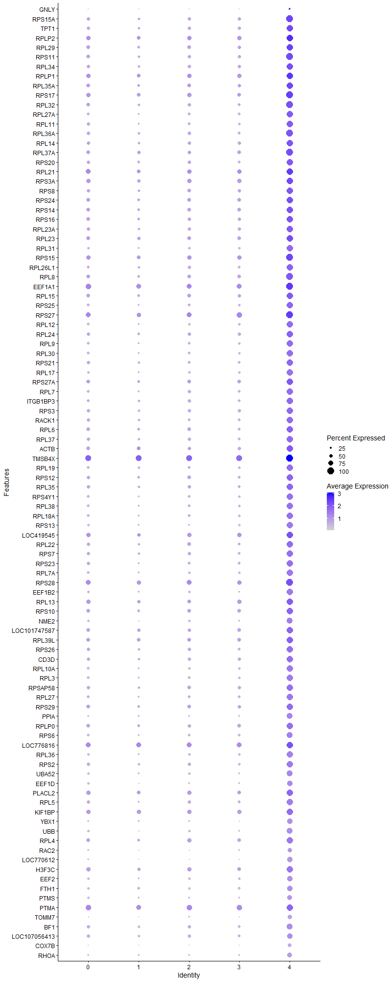
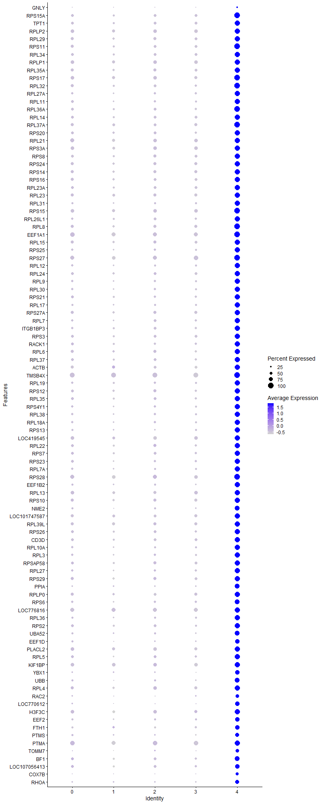
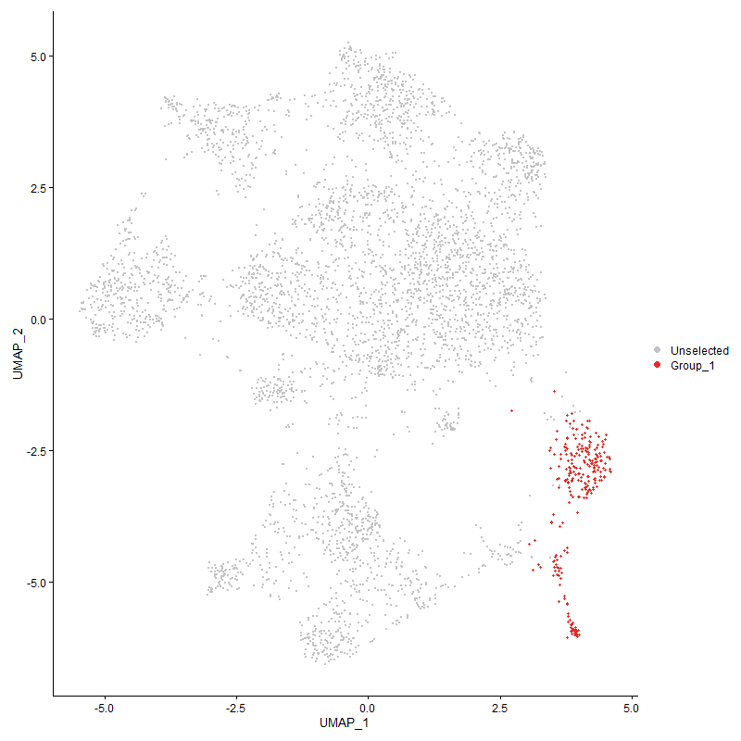
 | p_val | avg_log2FC | pct.1 | pct.2 | p_val_adj | cluster | gene
GNLY | 1.861934632E-26 | 3.531563785 | 0.256 | 0.076 | 2.8433603765E-22 | 4 | GNLY
RPS15A | 1.1576670481E-167 | 2.2829682755 | 1 | 0.466 | 1.7678733491E-163 | 4 | RPS15A
TPT1 | 5.2678582898E-161 | 2.2765555999 | 0.992 | 0.469 | 8.0445463943E-157 | 4 | TPT1
RPLP2 | 7.0971484278E-152 | 2.2575476702 | 0.996 | 0.652 | 1.0838055364E-147 | 4 | RPLP2
RPL29 | 5.2320635009E-153 | 2.2369170022 | 0.988 | 0.521 | 7.9898841722E-149 | 4 | RPL29
RPS11 | 1.8672219472E-164 | 2.2035359552 | 1 | 0.494 | 2.8514346356E-160 | 4 | RPS11
RPL34 | 1.5034999716E-163 | 2.1423052668 | 0.996 | 0.476 | 2.2959948067E-159 | 4 | RPL34
RPLP1 | 9.1386526966E-144 | 2.138979019 | 0.996 | 0.655 | 1.3955636533E-139 | 4 | RPLP1
RPL35A | 3.6335191688E-154 | 2.090634086 | 0.996 | 0.54 | 5.5487471226E-150 | 4 | RPL35A
RPS17 | 5.863870234E-152 | 2.0602340369 | 1 | 0.603 | 8.9547162343E-148 | 4 | RPS17
RPL32 | 1.6086271003E-154 | 2.0528142208 | 1 | 0.483 | 2.4565344449E-150 | 4 | RPL32
RPL27A | 4.4649760572E-158 | 2.0379108683 | 0.977 | 0.407 | 6.8184649369E-154 | 4 | RPL27A
RPL11 | 2.089984651E-161 | 2.0214425037 | 0.988 | 0.421 | 3.1916155606E-157 | 4 | RPL11
RPL36A | 1.9187191171E-159 | 2.0085849813 | 1 | 0.448 | 2.9300759638E-155 | 4 | RPL36A
RPL14 | 1.7173885727E-150 | 1.9684873382 | 0.992 | 0.481 | 2.6226240894E-146 | 4 | RPL14
RPL37A | 1.9442343999E-151 | 1.9575799551 | 1 | 0.55 | 2.9690403521E-147 | 4 | RPL37A
RPS20 | 3.2267563297E-146 | 1.955134781 | 0.988 | 0.479 | 4.927579591E-142 | 4 | RPS20
RPL21 | 5.6692718774E-142 | 1.9300423978 | 0.996 | 0.672 | 8.6575450839E-138 | 4 | RPL21
RPS3A | 3.2079552749E-143 | 1.9275988731 | 0.996 | 0.604 | 4.8988685004E-139 | 4 | RPS3A
RPS8 | 1.4361699986E-143 | 1.9270856624 | 0.984 | 0.504 | 2.1931752049E-139 | 4 | RPS8
RPS24 | 1.3259434313E-136 | 1.9235964237 | 0.981 | 0.551 | 2.0248482139E-132 | 4 | RPS24
RPS14 | 1.171536878E-149 | 1.9142066996 | 0.988 | 0.531 | 1.7890539665E-145 | 4 | RPS14
RPS16 | 3.4074768281E-149 | 1.8889899039 | 0.996 | 0.504 | 5.2035578642E-145 | 4 | RPS16
RPL23A | 1.5639806664E-154 | 1.8879102895 | 0.996 | 0.484 | 2.3883548756E-150 | 4 | RPL23A
RPL23 | 2.146554964E-144 | 1.880540596 | 0.992 | 0.58 | 3.2780040856E-140 | 4 | RPL23
RPL31 | 1.7446780577E-173 | 1.8746681711 | 0.988 | 0.341 | 2.6642978618E-169 | 4 | RPL31
RPS15 | 1.5001911765E-140 | 1.8739224574 | 1 | 0.642 | 2.2909419457E-136 | 4 | RPS15
RPL26L1 | 6.3043014688E-155 | 1.8611335244 | 0.992 | 0.427 | 9.6272987731E-151 | 4 | RPL26L1
RPL8 | 1.8794576383E-145 | 1.840827158 | 1 | 0.537 | 2.8701197595E-141 | 4 | RPL8
EEF1A1 | 2.2092040169E-141 | 1.8342935596 | 1 | 0.752 | 3.3736754541E-137 | 4 | EEF1A1
RPL15 | 1.4986544989E-140 | 1.8285652951 | 0.992 | 0.525 | 2.2885952852E-136 | 4 | RPL15
RPS25 | 6.9318658041E-146 | 1.7930162271 | 0.973 | 0.407 | 1.0585652269E-141 | 4 | RPS25
RPS27 | 1.0050752011E-142 | 1.7847996018 | 1 | 0.728 | 1.5348503396E-138 | 4 | RPS27
RPL12 | 4.2517897107E-153 | 1.7812108063 | 0.965 | 0.361 | 6.4929080673E-149 | 4 | RPL12
RPL24 | 9.5564708121E-139 | 1.7685690487 | 0.981 | 0.496 | 1.4593686577E-134 | 4 | RPL24
RPL9 | 8.7330588709E-141 | 1.7302573615 | 0.95 | 0.388 | 1.3336254202E-136 | 4 | RPL9
RPL30 | 1.4323454148E-146 | 1.725629189 | 0.957 | 0.372 | 2.1873346829E-142 | 4 | RPL30
RPS21 | 2.59630496E-140 | 1.7139588976 | 0.977 | 0.435 | 3.9648173044E-136 | 4 | RPS21
RPL17 | 8.5206950467E-146 | 1.7123637228 | 0.953 | 0.35 | 1.3011953406E-141 | 4 | RPL17
RPS27A | 4.0326439038E-130 | 1.711865347 | 0.984 | 0.557 | 6.1582505056E-126 | 4 | RPS27A
RPL7 | 1.1924231082E-140 | 1.6710698876 | 0.973 | 0.412 | 1.8209493286E-136 | 4 | RPL7
ITGB1BP3 | 4.3685213884E-131 | 1.6685335036 | 0.961 | 0.43 | 6.6711690122E-127 | 4 | ITGB1BP3
RPS3 | 5.2038048982E-140 | 1.66625365 | 0.981 | 0.476 | 7.9467304601E-136 | 4 | RPS3
RACK1 | 2.4075685548E-136 | 1.6599165025 | 0.973 | 0.45 | 3.6765979401E-132 | 4 | RACK1
RPL6 | 5.3317721114E-125 | 1.6576473712 | 0.981 | 0.521 | 8.1421491913E-121 | 4 | RPL6
RPL37 | 6.0027104549E-140 | 1.656080363 | 0.984 | 0.446 | 9.1667391357E-136 | 4 | RPL37
ACTB | 4.3168563677E-93 | 1.6560668374 | 0.953 | 0.559 | 6.5922713592E-89 | 4 | ACTB
TMSB4X | 1.4458189563E-121 | 1.6459825817 | 1 | 0.898 | 2.2079101282E-117 | 4 | TMSB4X
RPL19 | 9.085048389E-134 | 1.6430038936 | 0.969 | 0.416 | 1.3873777395E-129 | 4 | RPL19
RPS12 | 6.6932752627E-126 | 1.6413451764 | 0.957 | 0.487 | 1.0221300654E-121 | 4 | RPS12
RPL35 | 7.1216909839E-130 | 1.6291053257 | 0.973 | 0.476 | 1.0875534301E-125 | 4 | RPL35
RPS4Y1 | 3.259312106E-138 | 1.6176669139 | 0.95 | 0.391 | 4.9772955171E-134 | 4 | RPS4Y1
RPL38 | 4.2153647742E-145 | 1.613277211 | 0.969 | 0.374 | 6.4372835467E-141 | 4 | RPL38
RPL18A | 6.1222209514E-136 | 1.5812065285 | 0.961 | 0.402 | 9.3492436148E-132 | 4 | RPL18A
RPS13 | 4.788256483E-148 | 1.5784250807 | 0.942 | 0.315 | 7.3121464752E-144 | 4 | RPS13
LOC419545 | 1.3285562199E-82 | 1.5570209462 | 0.961 | 0.632 | 2.0288382035E-78 | 4 | LOC419545
RPL22 | 1.1127781262E-130 | 1.5458838865 | 0.977 | 0.47 | 1.6993234766E-126 | 4 | RPL22
RPS7 | 1.6755069599E-132 | 1.5457986336 | 0.977 | 0.449 | 2.5586666784E-128 | 4 | RPS7
RPS23 | 2.1808155769E-129 | 1.5429551263 | 0.969 | 0.42 | 3.3303234675E-125 | 4 | RPS23
RPL7A | 1.3866765433E-134 | 1.5350552773 | 0.946 | 0.375 | 2.1175937492E-130 | 4 | RPL7A
RPS28 | 7.5791160988E-126 | 1.532158575 | 1 | 0.696 | 1.1574068194E-121 | 4 | RPS28
EEF1B2 | 3.4652333016E-136 | 1.5180867299 | 0.93 | 0.336 | 5.2917577748E-132 | 4 | EEF1B2
RPL13 | 1.2131972191E-116 | 1.5175151552 | 0.992 | 0.617 | 1.8526734733E-112 | 4 | RPL13
RPS10 | 5.5834159408E-122 | 1.5087798114 | 0.984 | 0.559 | 8.5264344832E-118 | 4 | RPS10
NME2 | 1.6639588109E-140 | 1.5081203029 | 0.907 | 0.311 | 2.5410315001E-136 | 4 | NME2
LOC101747587 | 2.0311953584E-108 | 1.4916767164 | 0.977 | 0.561 | 3.1018384318E-104 | 4 | LOC101747587
RPL39L | 5.5882363746E-108 | 1.4888714054 | 0.992 | 0.584 | 8.5337957677E-104 | 4 | RPL39L
RPS26 | 1.8131975749E-106 | 1.4821292149 | 0.973 | 0.468 | 2.7689340167E-102 | 4 | RPS26
CD3D | 3.7542934468E-108 | 1.4820612922 | 0.934 | 0.472 | 5.7331815226E-104 | 4 | CD3D
RPL10A | 7.2015833542E-131 | 1.4804407022 | 0.942 | 0.377 | 1.099753794E-126 | 4 | RPL10A
RPL3 | 7.6242453835E-123 | 1.4334860846 | 0.95 | 0.386 | 1.1642985125E-118 | 4 | RPL3
RPSAP58 | 5.8447918964E-119 | 1.4178555406 | 0.992 | 0.491 | 8.9255817049E-115 | 4 | RPSAP58
RPL27 | 5.0874157537E-114 | 1.3915230511 | 0.934 | 0.418 | 7.7689925975E-110 | 4 | RPL27
RPS29 | 9.7498990671E-102 | 1.3472055889 | 0.984 | 0.537 | 1.4889070865E-97 | 4 | RPS29
PPIA | 2.1874133757E-106 | 1.3428284952 | 0.849 | 0.297 | 3.340398966E-102 | 4 | PPIA
RPLP0 | 9.3598790789E-93 | 1.3338476809 | 0.953 | 0.548 | 1.4293471341E-88 | 4 | RPLP0
RPS6 | 1.4382435898E-115 | 1.3332066239 | 0.919 | 0.379 | 2.196341786E-111 | 4 | RPS6
LOC776816 | 4.5612530628E-93 | 1.3181442913 | 0.996 | 0.743 | 6.9654895522E-89 | 4 | LOC776816
RPL36 | 6.4211810665E-132 | 1.3156896294 | 0.953 | 0.353 | 9.8057856066E-128 | 4 | RPL36
RPS2 | 7.3268423233E-107 | 1.3093310838 | 0.953 | 0.434 | 1.1188820912E-102 | 4 | RPS2
UBA52 | 4.296710535E-116 | 1.2624521747 | 0.903 | 0.327 | 6.561506658E-112 | 4 | UBA52
EEF1D | 2.4477912948E-108 | 1.2589819349 | 0.837 | 0.295 | 3.7380220863E-104 | 4 | EEF1D
PLACL2 | 3.8020509564E-76 | 1.2571821644 | 0.973 | 0.645 | 5.8061120155E-72 | 4 | PLACL2
RPL5 | 4.5934359279E-101 | 1.2174033462 | 0.95 | 0.449 | 7.0146360056E-97 | 4 | RPL5
KIF1BP | 7.5285152009E-68 | 1.1227518749 | 0.942 | 0.675 | 1.1496795563E-63 | 4 | KIF1BP
YBX1 | 3.0068064019E-92 | 1.1047428887 | 0.802 | 0.285 | 4.5916940563E-88 | 4 | YBX1
UBB | 2.8146144473E-101 | 1.1038927419 | 0.86 | 0.315 | 4.2981977224E-97 | 4 | UBB
RPL4 | 2.3464027954E-83 | 1.0975923438 | 0.973 | 0.563 | 3.5831917088E-79 | 4 | RPL4
RAC2 | 1.0828644884E-78 | 1.0900334536 | 0.698 | 0.231 | 1.6536423603E-74 | 4 | RAC2
LOC770612 | 7.2202534341E-108 | 1.0806982308 | 0.775 | 0.222 | 1.1026049019E-103 | 4 | LOC770612
H3F3C | 1.6022356964E-70 | 1.0440593211 | 0.938 | 0.599 | 2.446774132E-66 | 4 | H3F3C
EEF2 | 2.8381778305E-84 | 0.99750680877 | 0.841 | 0.351 | 4.334181365E-80 | 4 | EEF2
FTH1 | 2.714971255E-48 | 0.95224907889 | 0.787 | 0.401 | 4.1460326035E-44 | 4 | FTH1
PTMS | 8.8373041394E-61 | 0.91371101878 | 0.717 | 0.295 | 1.3495447151E-56 | 4 | PTMS
PTMA | 4.0981817981E-53 | 0.89531072987 | 0.981 | 0.772 | 6.2583334239E-49 | 4 | PTMA
TOMM7 | 1.8137808767E-79 | 0.87859717677 | 0.663 | 0.2 | 2.7698247769E-75 | 4 | TOMM7
BF1 | 7.5005910878E-59 | 0.87062726639 | 0.876 | 0.476 | 1.145415265E-54 | 4 | BF1
LOC107056413 | 4.1357822104E-47 | 0.83212840266 | 0.818 | 0.459 | 6.3157530135E-43 | 4 | LOC107056413
COX7B | 1.3264978345E-117 | 0.82829281491 | 0.616 | 0.115 | 2.025694843E-113 | 4 | COX7B
RHOA | 3.4186301462E-68 | 0.82655044069 | 0.756 | 0.293 | 5.2205900963E-64 | 4 | RHOA
EIF1 | 1.31039727E-59 | 0.81926653912 | 0.806 | 0.371 | 2.001107671E-55 | 4 | EIF1
H3F3B | 2.6090524796E-46 | 0.78994384575 | 0.93 | 0.687 | 3.9842840415E-42 | 4 | H3F3B
GPX1 | 2.3123609547E-71 | 0.78884220844 | 0.682 | 0.22 | 3.5312064139E-67 | 4 | GPX1
ARPC1B | 1.2760879251E-67 | 0.78064993808 | 0.578 | 0.162 | 1.9487138703E-63 | 4 | ARPC1B
ZEB21 | 5.0081199181E-20 | 0.7773733128 | 0.163 | 0.04 | 7.6478999269E-16 | 4 | ZEB2
COX4I1 | 2.6735075089E-84 | 0.76462245158 | 0.667 | 0.182 | 4.0827133168E-80 | 4 | COX4I1
CRIP1 | 4.2533570473E-67 | 0.76301888619 | 0.531 | 0.137 | 6.495301547E-63 | 4 | CRIP1
LOC100859737 | 4.7908891705E-44 | 0.74913345851 | 0.512 | 0.18 | 7.3161668522E-40 | 4 | LOC100859737
ZNF593 | 1.2718101978E-76 | 0.74713994912 | 0.64 | 0.183 | 1.9421813531E-72 | 4 | ZNF593
URM1 | 9.6451901981E-106 | 0.74657171184 | 0.527 | 0.091 | 1.4729169951E-101 | 4 | URM1
PABPC1 | 6.9949694281E-45 | 0.74148452802 | 0.915 | 0.593 | 1.0682017814E-40 | 4 | PABPC1
CHCHD2 | 8.7175944387E-67 | 0.74000875085 | 0.636 | 0.203 | 1.3312638467E-62 | 4 | CHCHD2
MYL6 | 5.8072639218E-53 | 0.73863086791 | 0.702 | 0.285 | 8.8682727349E-49 | 4 | MYL6
GAPDH | 4.0572843823E-60 | 0.73446959102 | 0.558 | 0.164 | 6.1958789802E-56 | 4 | GAPDH
NPM1 | 1.1071957182E-40 | 0.7253277613 | 0.841 | 0.481 | 1.6907985812E-36 | 4 | NPM1
ARPC4 | 8.9211301999E-59 | 0.71778382525 | 0.589 | 0.19 | 1.3623457928E-54 | 4 | ARPC4
SLC25A6 | 1.9909465795E-60 | 0.71014431727 | 0.589 | 0.185 | 3.0403745216E-56 | 4 | SLC25A6
EIF3K | 4.2808703134E-86 | 0.70952217664 | 0.519 | 0.108 | 6.5373170555E-82 | 4 | EIF3K
SH3BGRL3 | 2.6785607627E-49 | 0.70906755398 | 0.64 | 0.267 | 4.0904301407E-45 | 4 | SH3BGRL3
COX5A | 5.8225786927E-97 | 0.7080254098 | 0.519 | 0.095 | 8.8916599217E-93 | 4 | COX5A
CALM2 | 3.3582680899E-44 | 0.69915392228 | 0.655 | 0.284 | 5.1284112002E-40 | 4 | CALM2
DSTN | 4.0849200835E-30 | 0.68873091486 | 0.857 | 0.625 | 6.2380814595E-26 | 4 | DSTN
ATP5D | 6.5805679506E-75 | 0.68768298691 | 0.547 | 0.132 | 1.0049185317E-70 | 4 | ATP5D
PNRC1 | 3.4368529462E-33 | 0.68635147317 | 0.833 | 0.563 | 5.2484181341E-29 | 4 | PNRC1
ARF6 | 1.255981001E-54 | 0.68409610341 | 0.659 | 0.253 | 1.9180085866E-50 | 4 | ARF6
B2M | 2.1350674917E-68 | 0.68147062464 | 0.585 | 0.169 | 3.2604615666E-64 | 4 | B2M
NSA2 | 1.4159572501E-60 | 0.68006144424 | 0.585 | 0.183 | 2.1623083166E-56 | 4 | NSA2
BF2 | 3.7999142509E-40 | 0.67937710081 | 0.899 | 0.599 | 5.8028490526E-36 | 4 | BF2
CD3E | 5.6615555407E-42 | 0.67732490092 | 0.829 | 0.487 | 8.6457614661E-38 | 4 | CD3E
EEF1G | 2.1413184042E-40 | 0.67408580499 | 0.791 | 0.426 | 3.270007335E-36 | 4 | EEF1G
CALM1 | 1.31200153E-42 | 0.66620999908 | 0.783 | 0.399 | 2.0035575364E-38 | 4 | CALM1
BTG1 | 1.4195845612E-34 | 0.66612103624 | 0.961 | 0.795 | 2.1678475834E-30 | 4 | BTG1
SERBP1 | 6.9680181782E-47 | 0.66593204364 | 0.791 | 0.393 | 1.064086056E-42 | 4 | SERBP1
ATP5L | 6.4391984333E-62 | 0.66564582709 | 0.516 | 0.139 | 9.8332999275E-58 | 4 | ATP5L
GZMA | 3.2636982123E-62 | 0.6609552923 | 0.136 | 0.007 | 4.9839935401E-58 | 4 | GZMA
COX6C | 8.2185731377E-116 | 0.65969340864 | 0.55 | 0.088 | 1.2550583039E-111 | 4 | COX6C
EIF3M | 1.126871518E-67 | 0.65087296478 | 0.624 | 0.186 | 1.7208454952E-63 | 4 | EIF3M
EIF3E | 2.2577455153E-48 | 0.64838349657 | 0.651 | 0.264 | 3.4478031764E-44 | 4 | EIF3E
FKBP1A | 9.1698197681E-81 | 0.62351676557 | 0.302 | 0.036 | 1.4003231768E-76 | 4 | FKBP1A
COX7A2 | 6.6544329221E-71 | 0.62080225383 | 0.442 | 0.092 | 1.0161984515E-66 | 4 | COX7A2
EIF3F | 9.8459413543E-70 | 0.61551783414 | 0.57 | 0.149 | 1.5035737042E-65 | 4 | EIF3F
IL2RG | 9.3741548428E-40 | 0.6145651068 | 0.674 | 0.317 | 1.4315271861E-35 | 4 | IL2RG
HNRNPA1 | 2.5498056761E-42 | 0.61203392495 | 0.543 | 0.203 | 3.8938082479E-38 | 4 | HNRNPA1
PPIB | 1.0503082908E-53 | 0.60592036369 | 0.554 | 0.18 | 1.6039257909E-49 | 4 | PPIB
TAPBP | 3.5662511187E-56 | 0.6023225433 | 0.651 | 0.228 | 5.4460220834E-52 | 4 | TAPBP
HMGN4 | 3.5978631914E-50 | 0.59497161605 | 0.543 | 0.172 | 5.4942968796E-46 | 4 | HMGN4
NACA | 9.9580241544E-52 | 0.59153700746 | 0.64 | 0.233 | 1.5206898686E-47 | 4 | NACA
IER5 | 1.8855876583E-24 | 0.57952020872 | 0.574 | 0.322 | 2.879480913E-20 | 4 | IER5
COX7C | 1.6758806442E-94 | 0.57812178433 | 0.457 | 0.073 | 2.5592373318E-90 | 4 | COX7C
LOC107049545 | 1.6802059528E-64 | 0.57691596086 | 0.461 | 0.108 | 2.5658425105E-60 | 4 | LOC107049545
OAZ1 | 2.9439875824E-37 | 0.57572274423 | 0.682 | 0.327 | 4.495763437E-33 | 4 | OAZ1
HMGB1 | 1.8361443492E-28 | 0.57503771887 | 0.729 | 0.421 | 2.8039760356E-24 | 4 | HMGB1
HSP90AA1 | 1.0998247121E-31 | 0.57276829513 | 0.659 | 0.307 | 1.6795423179E-27 | 4 | HSP90AA1
CYBA | 7.8830365905E-42 | 0.57205207056 | 0.535 | 0.194 | 1.2038185177E-37 | 4 | CYBA
ARPC2 | 9.309959159E-37 | 0.57133902567 | 0.601 | 0.261 | 1.4217238632E-32 | 4 | ARPC2
MYL12A | 7.1961324129E-64 | 0.56065306128 | 0.45 | 0.104 | 1.0989213808E-59 | 4 | MYL12A
TOMM20 | 3.5152923366E-44 | 0.55648700389 | 0.504 | 0.171 | 5.3682029273E-40 | 4 | TOMM20
STMN1 | 3.1482984337E-42 | 0.55332344271 | 0.411 | 0.121 | 4.8077665382E-38 | 4 | STMN1
ENO1 | 2.8385256035E-31 | 0.53262415185 | 0.566 | 0.253 | 4.334712449E-27 | 4 | ENO1
LSP1P1 | 5.4380231141E-29 | 0.53225854995 | 0.578 | 0.27 | 8.3044050976E-25 | 4 | LSP1P1
COX8A | 2.0378278939E-34 | 0.52675340143 | 0.547 | 0.224 | 3.1119669767E-30 | 4 | COX8A
HSPA8 | 4.6318870412E-30 | 0.5246419861 | 0.469 | 0.187 | 7.0733547006E-26 | 4 | HSPA8
TPI1 | 1.5674912642E-65 | 0.52454005874 | 0.403 | 0.081 | 2.3937159095E-61 | 4 | TPI1
ZNF706 | 1.5097187077E-34 | 0.5244717905 | 0.508 | 0.2 | 2.3054914386E-30 | 4 | ZNF706
EIF4A2 | 7.3799604037E-29 | 0.52146397251 | 0.798 | 0.493 | 1.1269937533E-24 | 4 | EIF4A2
SERF2 | 6.9583230062E-33 | 0.51987274021 | 0.632 | 0.303 | 1.0626055063E-28 | 4 | SERF2
JUND | 1.4591567288E-21 | 0.51755333336 | 0.767 | 0.517 | 2.2282782406E-17 | 4 | JUND
GNG5 | 4.4275458381E-52 | 0.51277665105 | 0.465 | 0.127 | 6.7613052494E-48 | 4 | GNG5
MYL12B | 8.3338414101E-48 | 0.51277262106 | 0.535 | 0.175 | 1.2726609217E-43 | 4 | MYL12B
PLP2 | 2.2800405191E-71 | 0.51270475774 | 0.415 | 0.078 | 3.4818498768E-67 | 4 | PLP2
ROMO1 | 1.406722518E-50 | 0.51165126794 | 0.465 | 0.13 | 2.1482059572E-46 | 4 | ROMO1
MIF | 2.9923802505E-58 | 0.51152199114 | 0.395 | 0.086 | 4.5696638806E-54 | 4 | MIF
PSMB5 | 9.0199164706E-41 | 0.51037168822 | 0.539 | 0.197 | 1.3774314442E-36 | 4 | PSMB5
SVBP | 5.9505785114E-48 | 0.50791298302 | 0.481 | 0.143 | 9.0871284448E-44 | 4 | SVBP
RNASEK | 2.6235978289E-55 | 0.50720163319 | 0.512 | 0.143 | 4.0064962445E-51 | 4 | RNASEK
ZFP36L1 | 2.0347882592E-23 | 0.50236266741 | 0.938 | 0.81 | 3.1073251507E-19 | 4 | ZFP36L1
SUMO3 | 1.8020763404E-45 | 0.50022961762 | 0.484 | 0.149 | 2.7519507795E-41 | 4 | SUMO3
ATP5G3 | 3.8094561504E-41 | 0.49545987425 | 0.419 | 0.126 | 5.8174204872E-37 | 4 | ATP5G3
C14orf2 | 1.2756823484E-72 | 0.49433909808 | 0.36 | 0.058 | 1.9480945142E-68 | 4 | C14orf2
SAP18 | 4.1679212363E-38 | 0.49130157018 | 0.477 | 0.166 | 6.36483252E-34 | 4 | SAP18
SUMO2 | 7.2911273609E-39 | 0.48975914361 | 0.585 | 0.228 | 1.1134280593E-34 | 4 | SUMO2
MRPS21 | 7.8359384423E-47 | 0.48765190796 | 0.399 | 0.105 | 1.1966261595E-42 | 4 | MRPS21
TSC22D4 | 2.0057962293E-20 | 0.48646185498 | 0.709 | 0.44 | 3.0630514218E-16 | 4 | TSC22D4
HN1 | 3.5256425796E-42 | 0.48629694899 | 0.419 | 0.121 | 5.3840087832E-38 | 4 | HN1
GATD3AL1 | 1.4083909216E-54 | 0.48334555718 | 0.349 | 0.072 | 2.1507537764E-50 | 4 | GATD3AL1
OST4 | 8.7754185005E-38 | 0.48325484658 | 0.465 | 0.159 | 1.3400941592E-33 | 4 | OST4
EIF5A2 | 7.9635487995E-38 | 0.48284476009 | 0.605 | 0.248 | 1.2161135372E-33 | 4 | EIF5A2
ANP32B | 1.5756180089E-33 | 0.48156887299 | 0.512 | 0.206 | 2.4061262614E-29 | 4 | ANP32B
HDGF | 2.2937537923E-32 | 0.4777966537 | 0.465 | 0.177 | 3.5027914163E-28 | 4 | HDGF
ELOB | 2.6947025467E-66 | 0.47554847094 | 0.403 | 0.079 | 4.115080259E-62 | 4 | ELOB
ATP5B | 9.3356143044E-43 | 0.47390917394 | 0.45 | 0.137 | 1.4256416604E-38 | 4 | ATP5B
SELENOW | 6.3526563164E-33 | 0.47097363251 | 0.473 | 0.18 | 9.7011414608E-29 | 4 | SELENOW
LOC124417242 | 8.2616931208E-69 | 0.4701732524 | 0.453 | 0.096 | 1.2616431565E-64 | 4 | LOC124417242
RBM3 | 5.9476342112E-20 | 0.46768673212 | 0.461 | 0.233 | 9.0826322039E-16 | 4 | RBM3
HOPX | 5.6317831501E-21 | 0.46695235768 | 0.357 | 0.149 | 8.6002960485E-17 | 4 | HOPX
ATP5G2 | 2.8887466121E-53 | 0.46666737628 | 0.438 | 0.111 | 4.4114049513E-49 | 4 | ATP5G2
PRDX1 | 2.4260880369E-21 | 0.46457502931 | 0.333 | 0.132 | 3.7048790411E-17 | 4 | PRDX1
COX6A1 | 1.6702149029E-33 | 0.46273507884 | 0.496 | 0.193 | 2.5505851782E-29 | 4 | COX6A1
ATP5J | 1.7229170733E-64 | 0.46230008547 | 0.38 | 0.072 | 2.6310666626E-60 | 4 | ATP5J
GZMM | 8.1229563194E-63 | 0.46132115309 | 0.221 | 0.024 | 1.2404566595E-58 | 4 | GZMM
SET | 1.0353553946E-27 | 0.46099895594 | 0.554 | 0.256 | 1.5810912232E-23 | 4 | SET
LOC124417243 | 3.0533231426E-49 | 0.45987706939 | 0.45 | 0.123 | 4.6627297711E-45 | 4 | LOC124417243
EIF3H | 4.4298043369E-23 | 0.45816190007 | 0.667 | 0.362 | 6.7647542029E-19 | 4 | EIF3H
DBI | 4.1590612267E-82 | 0.4568491004 | 0.314 | 0.038 | 6.3513023993E-78 | 4 | DBI
TARP | 2.4471780005E-05 | 0.45591960141 | 0.155 | 0.085 | 0.37370855246 | 4 | TARP
SHFM1 | 1.1639664211E-43 | 0.44741442763 | 0.395 | 0.107 | 1.7774931217E-39 | 4 | SHFM1
UQCC3 | 3.3547367412E-25 | 0.44704747396 | 0.465 | 0.204 | 5.1230184775E-21 | 4 | UQCC3
ATP5O | 1.4189144369E-52 | 0.44406729449 | 0.403 | 0.095 | 2.1668242366E-48 | 4 | ATP5O
C12orf75 | 2.251217486E-24 | 0.44148544286 | 0.403 | 0.162 | 3.4378342228E-20 | 4 | C12orf75
ATPIF1 | 1.0321242148E-40 | 0.44107498297 | 0.43 | 0.131 | 1.5761568884E-36 | 4 | ATPIF1
H2AZ2 | 1.401297321E-36 | 0.43739590377 | 0.376 | 0.111 | 2.1399211389E-32 | 4 | H2AZ2
LOC107052389 | 8.8304093597E-43 | 0.43400118736 | 0.399 | 0.111 | 1.3484918133E-38 | 4 | LOC107052389
POLD4 | 1.6408343835E-25 | 0.4300898003 | 0.554 | 0.266 | 2.5057181871E-21 | 4 | POLD4
LOC429682 | 1.9605280942E-22 | 0.42899694499 | 0.527 | 0.262 | 2.9939224527E-18 | 4 | LOC429682
ZNRF1 | 8.377095461E-33 | 0.42506635664 | 0.43 | 0.153 | 1.2792662479E-28 | 4 | ZNRF1
ATP5J2 | 2.0081743013E-58 | 0.42501465282 | 0.372 | 0.076 | 3.0666829755E-54 | 4 | ATP5J2
HSPE1 | 7.751533492E-57 | 0.42194304278 | 0.271 | 0.041 | 1.1837366796E-52 | 4 | HSPE1
NCL | 9.9771438704E-21 | 0.41508951825 | 0.709 | 0.436 | 1.5236096405E-16 | 4 | NCL
SEPTIN6 | 2.3116526435E-27 | 0.41248910223 | 0.523 | 0.234 | 3.5301247519E-23 | 4 | SEPTIN6
SPCS3 | 1.7259046696E-21 | 0.41206526238 | 0.55 | 0.284 | 2.635629021E-17 | 4 | SPCS3
UBL5 | 7.3698109646E-35 | 0.41069094589 | 0.345 | 0.1 | 1.1254438324E-30 | 4 | UBL5
ARHGDIB | 1.7200992297E-36 | 0.41036228362 | 0.415 | 0.132 | 2.6267635336E-32 | 4 | ARHGDIB
HNRNPAB | 4.0104944879E-21 | 0.40772379778 | 0.516 | 0.264 | 6.1244261324E-17 | 4 | HNRNPAB
COTL1 | 3.5846446456E-25 | 0.40688398177 | 0.508 | 0.226 | 5.4741108383E-21 | 4 | COTL1
PRELID1 | 1.8436292027E-38 | 0.40483368991 | 0.399 | 0.119 | 2.8154061555E-34 | 4 | PRELID1
NDUFC2 | 1.6141019554E-51 | 0.40316116781 | 0.318 | 0.062 | 2.4648950961E-47 | 4 | NDUFC2
ATP5I | 6.7714419048E-46 | 0.40165337293 | 0.291 | 0.058 | 1.0340668933E-41 | 4 | ATP5I
FAM32A | 3.5629183178E-52 | 0.40128926288 | 0.364 | 0.079 | 5.4409325631E-48 | 4 | FAM32A
SKP1 | 2.2835374182E-35 | 0.39943801828 | 0.399 | 0.125 | 3.4871899913E-31 | 4 | SKP1
NDUFA1 | 1.4004335648E-62 | 0.39936328467 | 0.326 | 0.054 | 2.1386020968E-58 | 4 | NDUFA1
ARPC3 | 2.2468328177E-20 | 0.39920989622 | 0.283 | 0.103 | 3.4311383958E-16 | 4 | ARPC3
PIK3IP1 | 1.0639797438E-19 | 0.39640077269 | 0.516 | 0.27 | 1.6248034667E-15 | 4 | PIK3IP1
TMBIM6 | 4.3777589799E-33 | 0.38812270505 | 0.407 | 0.136 | 6.6852757382E-29 | 4 | TMBIM6
ADSL | 2.1742544954E-34 | 0.3861725458 | 0.442 | 0.151 | 3.3203040399E-30 | 4 | ADSL
LOC121108888 | 1.237455478E-32 | 0.38501283844 | 0.391 | 0.128 | 1.8897182605E-28 | 4 | LOC121108888
C10H15ORF48 | 6.9342920744E-26 | 0.38198876454 | 0.31 | 0.1 | 1.0589357427E-21 | 4 | C10H15ORF48
ITM2A | 7.2575881763E-17 | 0.37954491325 | 0.593 | 0.353 | 1.1083062904E-12 | 4 | ITM2A
LAPTM5 | 3.1253390753E-12 | 0.37805977146 | 0.407 | 0.23 | 4.7727053018E-08 | 4 | LAPTM5
LBR | 1.2331032561E-15 | 0.37495564798 | 0.647 | 0.403 | 1.8830719824E-11 | 4 | LBR
LOC420368 | 3.874205568E-35 | 0.37172460334 | 0.372 | 0.111 | 5.9162993229E-31 | 4 | LOC420368
NDUFB11 | 4.5988566392E-32 | 0.37107386693 | 0.372 | 0.119 | 7.0229139737E-28 | 4 | NDUFB11
RRS1 | 1.9795362341E-33 | 0.36938014621 | 0.322 | 0.09 | 3.022949783E-29 | 4 | RRS1
LOC107051795 | 9.102010899E-55 | 0.36765442494 | 0.353 | 0.071 | 1.3899680844E-50 | 4 | LOC107051795
ATP5PB | 2.5972901818E-37 | 0.3670751579 | 0.38 | 0.11 | 3.9663218367E-33 | 4 | ATP5PB
TOMM5 | 8.714132281E-41 | 0.36403021155 | 0.395 | 0.11 | 1.3307351406E-36 | 4 | TOMM5
ZC3H15 | 5.9520433723E-18 | 0.35930174477 | 0.508 | 0.269 | 9.0893654338E-14 | 4 | ZC3H15
TMED2 | 2.1042343603E-23 | 0.35894901622 | 0.364 | 0.141 | 3.2133762916E-19 | 4 | TMED2
COX17 | 4.1224779746E-39 | 0.35788465997 | 0.295 | 0.068 | 6.295436115E-35 | 4 | COX17
NDUFA4 | 1.6502288873E-27 | 0.35730799245 | 0.291 | 0.088 | 2.5200645337E-23 | 4 | NDUFA4
PTRH2 | 2.2832939413E-38 | 0.35542805558 | 0.322 | 0.081 | 3.4868181777E-34 | 4 | PTRH2
LDHB | 1.246360195E-34 | 0.3554083122 | 0.252 | 0.056 | 1.9033166538E-30 | 4 | LDHB
MAGOH | 1.6254347158E-30 | 0.35529830577 | 0.337 | 0.102 | 2.4822013545E-26 | 4 | MAGOH
GNAI2 | 1.2648076947E-21 | 0.35499752498 | 0.512 | 0.246 | 1.9314878306E-17 | 4 | GNAI2
DUSP1 | 7.8157422876E-11 | 0.35294578416 | 0.554 | 0.371 | 1.1935420047E-06 | 4 | DUSP1
UQCRHL | 2.0570268757E-51 | 0.35110150415 | 0.291 | 0.052 | 3.141285742E-47 | 4 | UQCRHL
MRPL43 | 1.2459370385E-49 | 0.35058468049 | 0.345 | 0.074 | 1.9026704515E-45 | 4 | MRPL43
INTS5 | 3.7081263834E-25 | 0.35052998294 | 0.372 | 0.136 | 5.6626798002E-21 | 4 | INTS5
BTF3 | 5.943155634E-50 | 0.34862974319 | 0.275 | 0.048 | 9.0757929686E-46 | 4 | BTF3
NDUFB2 | 3.6689355533E-23 | 0.34811423854 | 0.422 | 0.177 | 5.6028314835E-19 | 4 | NDUFB2
UQCR10 | 1.8515200022E-39 | 0.34630204091 | 0.26 | 0.053 | 2.8274561954E-35 | 4 | UQCR10
EDF1 | 1.1026059324E-28 | 0.34338707899 | 0.415 | 0.149 | 1.6837895193E-24 | 4 | EDF1
JUN | 3.9993165291E-12 | 0.34211909407 | 0.368 | 0.195 | 6.1073562715E-08 | 4 | JUN
SNRPD1 | 1.7456064669E-25 | 0.34131013505 | 0.395 | 0.151 | 2.6657156356E-21 | 4 | SNRPD1
ANXA6 | 3.3048490125E-15 | 0.34081938227 | 0.376 | 0.186 | 5.0468349271E-11 | 4 | ANXA6
NDUFA2 | 3.1518348124E-58 | 0.34014885991 | 0.248 | 0.033 | 4.813166942E-54 | 4 | NDUFA2
PSMB4 | 7.8571152912E-46 | 0.3396749412 | 0.322 | 0.069 | 1.1998600761E-41 | 4 | PSMB4
CD63 | 3.1877143165E-19 | 0.33828111031 | 0.453 | 0.22 | 4.8679585327E-15 | 4 | CD63
ACTR2 | 1.0588045288E-21 | 0.33701059171 | 0.45 | 0.2 | 1.6169003959E-17 | 4 | ACTR2
CORO1C | 4.3918118865E-12 | 0.33661780631 | 0.663 | 0.469 | 6.7067359319E-08 | 4 | CORO1C
PGLS | 1.0803696443E-18 | 0.33539338039 | 0.376 | 0.166 | 1.6498324839E-14 | 4 | PGLS
YBX3 | 1.4926839732E-17 | 0.33361691911 | 0.306 | 0.125 | 2.2794776954E-13 | 4 | YBX3
SNRPF | 3.9473976981E-31 | 0.33357448627 | 0.314 | 0.09 | 6.0280710248E-27 | 4 | SNRPF
NDUFB4 | 3.1882633677E-37 | 0.33336234084 | 0.291 | 0.069 | 4.8687969888E-33 | 4 | NDUFB4
ABRACL | 1.7706588955E-23 | 0.33237460058 | 0.368 | 0.141 | 2.7039731994E-19 | 4 | ABRACL
TOMM6 | 7.3802763654E-25 | 0.32978880856 | 0.333 | 0.115 | 1.1270420038E-20 | 4 | TOMM6
NDUFB1 | 2.0466106051E-46 | 0.32892554338 | 0.287 | 0.055 | 3.1253790551E-42 | 4 | NDUFB1
VDAC2 | 1.4299742155E-21 | 0.32770380024 | 0.384 | 0.156 | 2.1837136245E-17 | 4 | VDAC2
LOC101747670 | 2.6356058454E-53 | 0.32601052319 | 0.283 | 0.047 | 4.0248336865E-49 | 4 | LOC101747670
TMA7 | 6.2848969334E-26 | 0.32522621628 | 0.326 | 0.108 | 9.5976661069E-22 | 4 | TMA7
CSK | 3.077233067E-12 | 0.32463767239 | 0.434 | 0.253 | 4.6992426166E-08 | 4 | CSK
SSBP1 | 4.6171169154E-51 | 0.32337805807 | 0.267 | 0.044 | 7.0507992416E-47 | 4 | SSBP1
MCL1 | 1.1303392942E-10 | 0.32322695888 | 0.643 | 0.453 | 1.7261411362E-06 | 4 | MCL1
NDUFB10 | 3.2783215289E-54 | 0.31974350465 | 0.267 | 0.042 | 5.0063248067E-50 | 4 | NDUFB10
CXCR4 | 8.1319268649E-13 | 0.3188661562 | 0.411 | 0.225 | 1.2418265515E-08 | 4 | CXCR4
CAP1 | 2.6829633723E-18 | 0.31862632658 | 0.422 | 0.199 | 4.0971533659E-14 | 4 | CAP1
PSMA7 | 1.9344926598E-43 | 0.31845619559 | 0.329 | 0.075 | 2.9541637408E-39 | 4 | PSMA7
SNRPD3 | 4.3216246668E-31 | 0.31828312596 | 0.322 | 0.094 | 6.5995530286E-27 | 4 | SNRPD3
RAP1A | 1.9222869733E-15 | 0.31717891959 | 0.601 | 0.352 | 2.9355244369E-11 | 4 | RAP1A
HNRNPDL | 1.3080954669E-14 | 0.31657977167 | 0.663 | 0.427 | 1.9975925875E-10 | 4 | HNRNPDL
RPL22L1 | 1.9167114231E-32 | 0.3162471029 | 0.287 | 0.073 | 2.9270100142E-28 | 4 | RPL22L1
LOC107050492 | 3.6209259213E-25 | 0.31492742368 | 0.337 | 0.117 | 5.5295159743E-21 | 4 | LOC107050492
NUDT16L1 | 5.1050500504E-29 | 0.31435892991 | 0.326 | 0.1 | 7.795921932E-25 | 4 | NUDT16L1
MGARP | 2.8876116152E-38 | 0.31375141285 | 0.267 | 0.057 | 4.4096716976E-34 | 4 | MGARP
SEC61G | 1.7421705073E-27 | 0.31372656058 | 0.267 | 0.074 | 2.6604685817E-23 | 4 | SEC61G
PSMA4 | 9.6205145936E-20 | 0.31294853285 | 0.295 | 0.109 | 1.4691487836E-15 | 4 | PSMA4
AP2S1 | 8.0074507481E-29 | 0.31200412227 | 0.229 | 0.055 | 1.2228178037E-24 | 4 | AP2S1
NDUFS5 | 9.1245091737E-33 | 0.31069587423 | 0.283 | 0.072 | 1.3934037959E-28 | 4 | NDUFS5
TLN1 | 9.3931138185E-14 | 0.30994503553 | 0.45 | 0.249 | 1.4344224112E-09 | 4 | TLN1
CEBPD | 1.5353594793E-25 | 0.30721857108 | 0.221 | 0.057 | 2.3446474609E-21 | 4 | CEBPD
SF3B5 | 5.8593158314E-40 | 0.3068876141 | 0.318 | 0.076 | 8.9477612061E-36 | 4 | SF3B5
TIMM13 | 4.0256010453E-16 | 0.30684478548 | 0.318 | 0.136 | 6.1474953563E-12 | 4 | TIMM13
ATP5E | 6.4657587202E-22 | 0.30674243261 | 0.298 | 0.103 | 9.8738601416E-18 | 4 | ATP5E
USMG5 | 2.2113397574E-46 | 0.30592766319 | 0.26 | 0.046 | 3.3769369435E-42 | 4 | USMG5
ARHGDIA | 7.6403210101E-20 | 0.30582653265 | 0.295 | 0.107 | 1.1667534214E-15 | 4 | ARHGDIA
CD4 | 2.7507292673E-12 | 0.30492969933 | 0.581 | 0.376 | 4.2006386641E-08 | 4 | CD4
LOC107049666 | 3.5976887219E-12 | 0.30260799137 | 0.605 | 0.401 | 5.4940304472E-08 | 4 | LOC107049666
RILPL2 | 3.0859514164E-39 | 0.30247677056 | 0.291 | 0.065 | 4.712556408E-35 | 4 | RILPL2
EIF3G | 6.06280652E-19 | 0.3023679846 | 0.391 | 0.169 | 9.2585118367E-15 | 4 | EIF3G
TPM3 | 5.7997943162E-16 | 0.3016245546 | 0.655 | 0.385 | 8.8568659002E-12 | 4 | TPM3
BTLA | 2.8600983535E-10 | 0.30154263729 | 0.36 | 0.201 | 4.3676561956E-06 | 4 | BTLA
FDPS | 1.1924630363E-23 | 0.30137522859 | 0.163 | 0.035 | 1.8210103028E-19 | 4 | FDPS
CD8A | 3.3050995022E-24 | 0.3005599921 | 0.225 | 0.06 | 5.0472174499E-20 | 4 | CD8A
DYL1 | 8.4740553183E-38 | 0.30047543108 | 0.252 | 0.052 | 1.2940729877E-33 | 4 | DYL1
KCTD12B | 2.7365039512E-14 | 0.30026052786 | 0.411 | 0.216 | 4.1789151838E-10 | 4 | KCTD12B
SEPTIN9 | 7.3679505572E-14 | 0.29920558514 | 0.62 | 0.386 | 1.1251597296E-09 | 4 | SEPTIN9
UQCRQ | 4.2795334877E-42 | 0.297614962 | 0.252 | 0.047 | 6.5352755891E-38 | 4 | UQCRQ
GZMK | 3.7686790248E-49 | 0.29696464614 | 0.105 | 0.005 | 5.7551497387E-45 | 4 | GZMK
NRARP | 3.5416427322E-13 | 0.2969160157 | 0.419 | 0.222 | 5.4084426163E-09 | 4 | NRARP
NFKBIA | 1.134279686E-07 | 0.29628211479 | 0.744 | 0.616 | 0.0017321585085 | 4 | NFKBIA
PSME1 | 2.4498217517E-14 | 0.29508626075 | 0.574 | 0.344 | 3.7411227971E-10 | 4 | PSME1
SDHD | 1.7427007738E-32 | 0.29440876403 | 0.271 | 0.067 | 2.6612783517E-28 | 4 | SDHD
LOC107050177 | 3.5137008528E-36 | 0.29431001548 | 0.283 | 0.066 | 5.3657725723E-32 | 4 | LOC107050177
KLF2 | 1.8324295527E-10 | 0.29372140849 | 0.426 | 0.25 | 2.79830317E-06 | 4 | KLF2
HMGN5 | 1.0688879177E-26 | 0.2936538435 | 0.26 | 0.072 | 1.6322987391E-22 | 4 | HMGN5
TRBV6-51 | 9.3600827074E-06 | 0.29321634446 | 0.946 | 0.887 | 0.14293782302 | 4 | TRBV6-5
SNRNP25 | 5.8040500667E-25 | 0.2926488203 | 0.36 | 0.129 | 8.8633648569E-21 | 4 | SNRNP25
PIN4 | 1.4578889049E-25 | 0.29047815389 | 0.24 | 0.065 | 2.2263421467E-21 | 4 | PIN4
YWHAQ | 4.8617830743E-13 | 0.28820873239 | 0.616 | 0.385 | 7.4244289328E-09 | 4 | YWHAQ
NEDD8 | 1.1103978394E-15 | 0.28799394001 | 0.314 | 0.136 | 1.6956885405E-11 | 4 | NEDD8
HEXIM1 | 6.6816951426E-10 | 0.28325301935 | 0.543 | 0.357 | 1.0203616652E-05 | 4 | HEXIM1
TPM4 | 1.1124703948E-10 | 0.28276552735 | 0.341 | 0.184 | 1.6988535399E-06 | 4 | TPM4
DDX19 | 8.502211089E-11 | 0.28236784259 | 0.333 | 0.177 | 1.2983726554E-06 | 4 | DDX19
C1QBP | 1.1264846216E-21 | 0.28170714222 | 0.275 | 0.09 | 1.7202546656E-17 | 4 | C1QBP
ATP5H | 7.6755772673E-37 | 0.28115946272 | 0.233 | 0.046 | 1.1721374045E-32 | 4 | ATP5H
NDUFS7 | 2.9907077576E-42 | 0.27952800825 | 0.252 | 0.047 | 4.5671098167E-38 | 4 | NDUFS7
IFI30 | 1.7650868265E-09 | 0.27946162121 | 0.469 | 0.297 | 2.6954640928E-05 | 4 | IFI30
NDUFA11 | 1.3298409824E-27 | 0.27917035745 | 0.337 | 0.108 | 2.0308001642E-23 | 4 | NDUFA11
C4H4ORF32 | 1.1650767818E-12 | 0.27824296866 | 0.283 | 0.13 | 1.7791887535E-08 | 4 | C4H4ORF32
NDUFAF8 | 8.0135506983E-33 | 0.27821369241 | 0.302 | 0.08 | 1.2237493271E-28 | 4 | NDUFAF8
CYTIP | 2.4615465315E-12 | 0.27810333573 | 0.481 | 0.28 | 3.7590277082E-08 | 4 | CYTIP
JTB | 5.2228488233E-12 | 0.27809206994 | 0.415 | 0.231 | 7.975812438E-08 | 4 | JTB
MED29 | 1.9331478443E-19 | 0.27806495603 | 0.31 | 0.117 | 2.9521100731E-15 | 4 | MED29
PBDC1 | 1.0154136427E-31 | 0.2765464869 | 0.267 | 0.066 | 1.5506381737E-27 | 4 | PBDC1
NDUFB8 | 1.6842125501E-33 | 0.27577673582 | 0.24 | 0.053 | 2.5719609852E-29 | 4 | NDUFB8
THYN1 | 1.9979541199E-18 | 0.27557756642 | 0.213 | 0.067 | 3.0510757364E-14 | 4 | THYN1
YWHAB | 2.0551042156E-13 | 0.27554785468 | 0.333 | 0.16 | 3.1383496477E-09 | 4 | YWHAB
SERP1 | 3.0787654278E-26 | 0.27552724396 | 0.31 | 0.097 | 4.7015826847E-22 | 4 | SERP1
SELENOH | 4.700366944E-16 | 0.27518768219 | 0.291 | 0.118 | 7.1779303602E-12 | 4 | SELENOH
MLF2 | 1.0645066599E-28 | 0.27461152181 | 0.31 | 0.092 | 1.6256081203E-24 | 4 | MLF2
ACTR3 | 3.9672724971E-07 | 0.27439974501 | 0.488 | 0.346 | 0.0060584218303 | 4 | ACTR3
MRPS15 | 3.8035262305E-24 | 0.27430814704 | 0.252 | 0.074 | 5.8083649066E-20 | 4 | MRPS15
EIF3L | 1.7895578706E-19 | 0.27413776718 | 0.291 | 0.106 | 2.7328338242E-15 | 4 | EIF3L
NDUFB6 | 1.4277411395E-38 | 0.27383240258 | 0.256 | 0.052 | 2.1803034941E-34 | 4 | NDUFB6
NDUFA13 | 6.9705366789E-19 | 0.27354203425 | 0.368 | 0.155 | 1.0644706562E-14 | 4 | NDUFA13
PSMB1 | 2.0284304861E-22 | 0.27289528333 | 0.271 | 0.087 | 3.0976161954E-18 | 4 | PSMB1
LOC107053353 | 1.2685021702E-32 | 0.27153955041 | 0.205 | 0.04 | 1.9371296642E-28 | 4 | LOC107053353
CST3 | 1.8828941773E-24 | 0.27035869062 | 0.26 | 0.076 | 2.8753676982E-20 | 4 | CST3
CDC42SE1 | 5.6091536968E-17 | 0.26854420203 | 0.302 | 0.123 | 8.5657386103E-13 | 4 | CDC42SE1
EIF3D | 1.6268868811E-13 | 0.26834445579 | 0.36 | 0.178 | 2.4844189561E-09 | 4 | EIF3D
MED9 | 2.3873702922E-21 | 0.26815249351 | 0.244 | 0.076 | 3.6457531732E-17 | 4 | MED9
NDUFB5 | 3.0107161476E-27 | 0.26805004999 | 0.244 | 0.064 | 4.5976646291E-23 | 4 | NDUFB5
COPS9 | 1.0717600829E-28 | 0.26794286867 | 0.267 | 0.071 | 1.6366848227E-24 | 4 | COPS9
HSBP1 | 4.0000945566E-29 | 0.26594396503 | 0.244 | 0.06 | 6.1085443974E-25 | 4 | HSBP1
SCIN | 1.8015643849E-10 | 0.2656720695 | 0.481 | 0.28 | 2.7511689723E-06 | 4 | SCIN
SELENOF | 8.2510631842E-16 | 0.26549826322 | 0.314 | 0.135 | 1.2600198589E-11 | 4 | SELENOF
GAB3 | 3.4964105754E-11 | 0.26468277709 | 0.105 | 0.029 | 5.3393685896E-07 | 4 | GAB3
CDK2AP2 | 2.793715919E-27 | 0.26382821391 | 0.24 | 0.062 | 4.2662835798E-23 | 4 | CDK2AP2
MINOS1 | 1.5803506576E-20 | 0.26355741875 | 0.264 | 0.088 | 2.4133534893E-16 | 4 | MINOS1
CIB1 | 6.03339129E-22 | 0.26349719365 | 0.267 | 0.086 | 9.2135918389E-18 | 4 | CIB1
SNRPGP15 | 9.7996231072E-19 | 0.26293703816 | 0.264 | 0.093 | 1.4965004447E-14 | 4 | SNRPGP15
ATIC | 5.263026475E-21 | 0.26287771138 | 0.283 | 0.096 | 8.03716773E-17 | 4 | ATIC
MAP1LC3B | 4.7135787961E-12 | 0.26227465344 | 0.407 | 0.222 | 7.1981061796E-08 | 4 | MAP1LC3B
HYPK | 2.1462239949E-16 | 0.26096011204 | 0.252 | 0.093 | 3.2774986625E-12 | 4 | HYPK
RALBP1 | 6.3710815522E-12 | 0.26046907027 | 0.399 | 0.214 | 9.7292786384E-08 | 4 | RALBP1
IER3IP1 | 5.2915938082E-43 | 0.25843423738 | 0.225 | 0.037 | 8.0807929045E-39 | 4 | IER3IP1
LLPH | 8.6302825811E-17 | 0.25749653968 | 0.225 | 0.078 | 1.317930453E-12 | 4 | LLPH
BRI3 | 2.1347799958E-25 | 0.25738765151 | 0.267 | 0.077 | 3.2600225315E-21 | 4 | BRI3
MPC2 | 9.0761692659E-18 | 0.2570329314 | 0.306 | 0.121 | 1.3860218086E-13 | 4 | MPC2
PFDN4 | 1.2477998286E-18 | 0.25644744184 | 0.221 | 0.071 | 1.9055151182E-14 | 4 | PFDN4
DHRS7 | 1.7281789955E-14 | 0.25641420041 | 0.349 | 0.16 | 2.6391021441E-10 | 4 | DHRS7
PHB2 | 9.1528022461E-17 | 0.25552384417 | 0.291 | 0.115 | 1.397724431E-12 | 4 | PHB2
C11orf58 | 1.073574709E-12 | 0.25538979763 | 0.372 | 0.19 | 1.6394559381E-08 | 4 | C11orf58
PA2G4 | 3.1309774365E-16 | 0.25521275317 | 0.271 | 0.106 | 4.7813156433E-12 | 4 | PA2G4
CDC5L | 5.8946415772E-16 | 0.25435339464 | 0.384 | 0.175 | 9.0017071526E-12 | 4 | CDC5L
C30H19orf53 | 1.482031213E-23 | 0.25422961659 | 0.256 | 0.076 | 2.2632098654E-19 | 4 | C30H19orf53
LOC107050614 | 4.096979807E-15 | 0.25389476675 | 0.267 | 0.107 | 6.2564978633E-11 | 4 | LOC107050614
RNF208 | 4.9477630761E-21 | 0.25379353604 | 0.225 | 0.066 | 7.5557289935E-17 | 4 | RNF208
SF3A2 | 1.5024232505E-36 | 0.25307384242 | 0.229 | 0.044 | 2.2943505458E-32 | 4 | SF3A2
BRK1 | 9.6106514603E-12 | 0.2526719317 | 0.36 | 0.191 | 1.4676425845E-07 | 4 | BRK1
NFKBIB | 1.4523002809E-30 | 0.25115856705 | 0.229 | 0.051 | 2.217807759E-26 | 4 | NFKBIB
HIGD2A | 6.7475894119E-19 | 0.2504135152 | 0.283 | 0.102 | 1.0304243791E-14 | 4 | HIGD2A

