Clustered cells
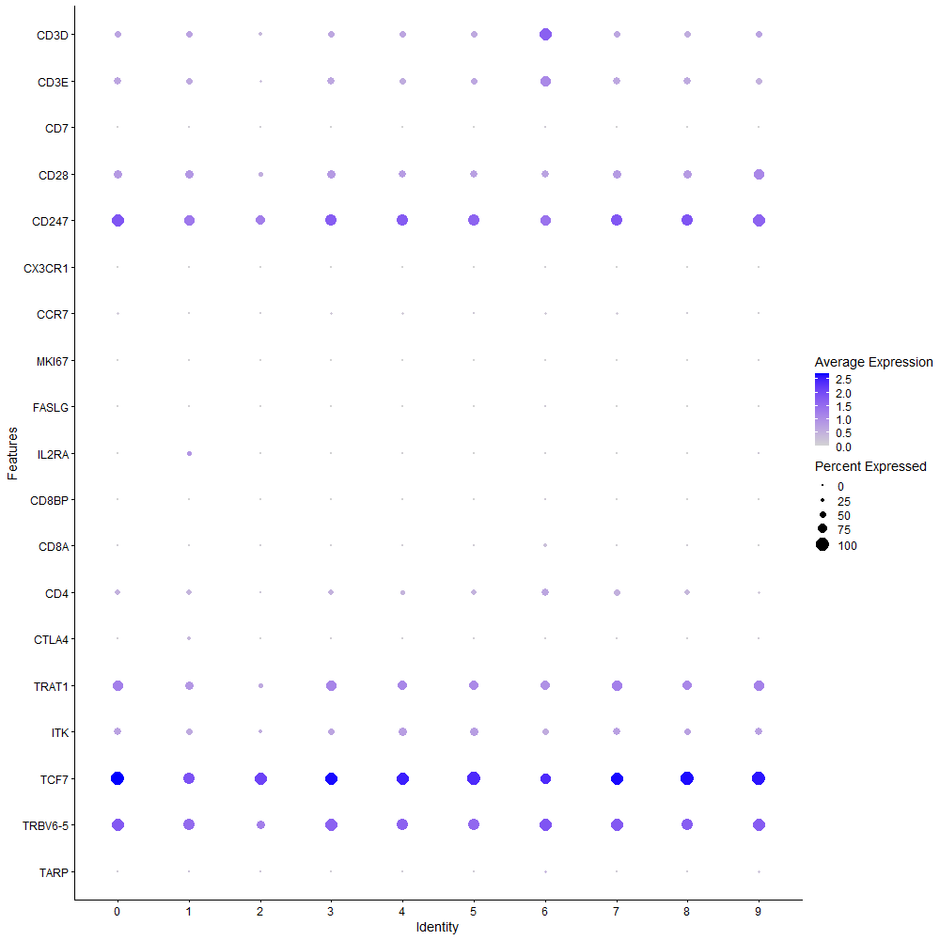
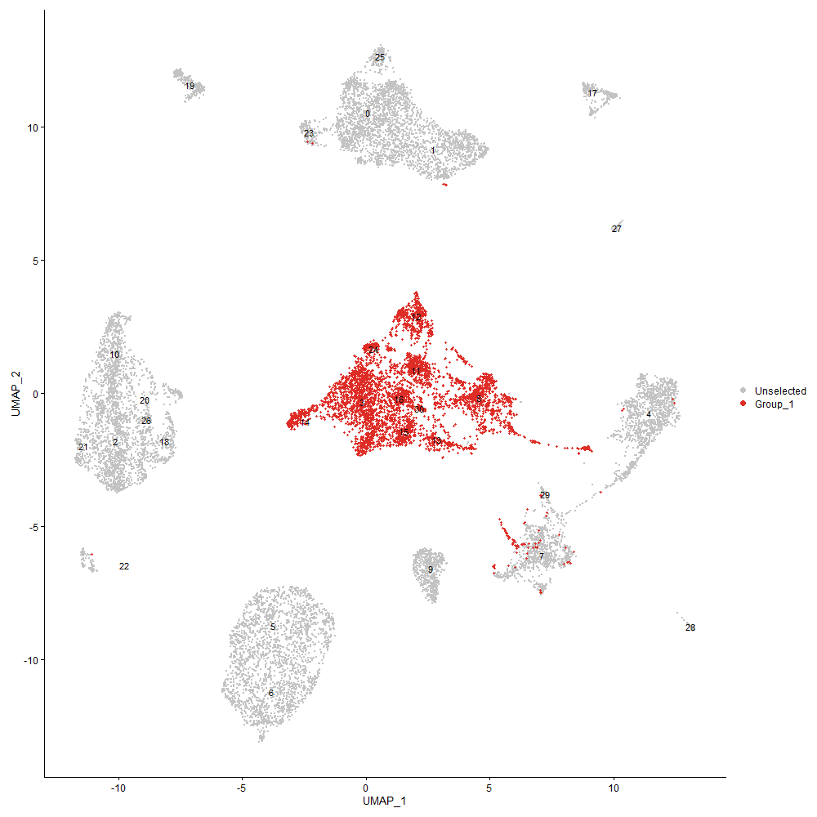
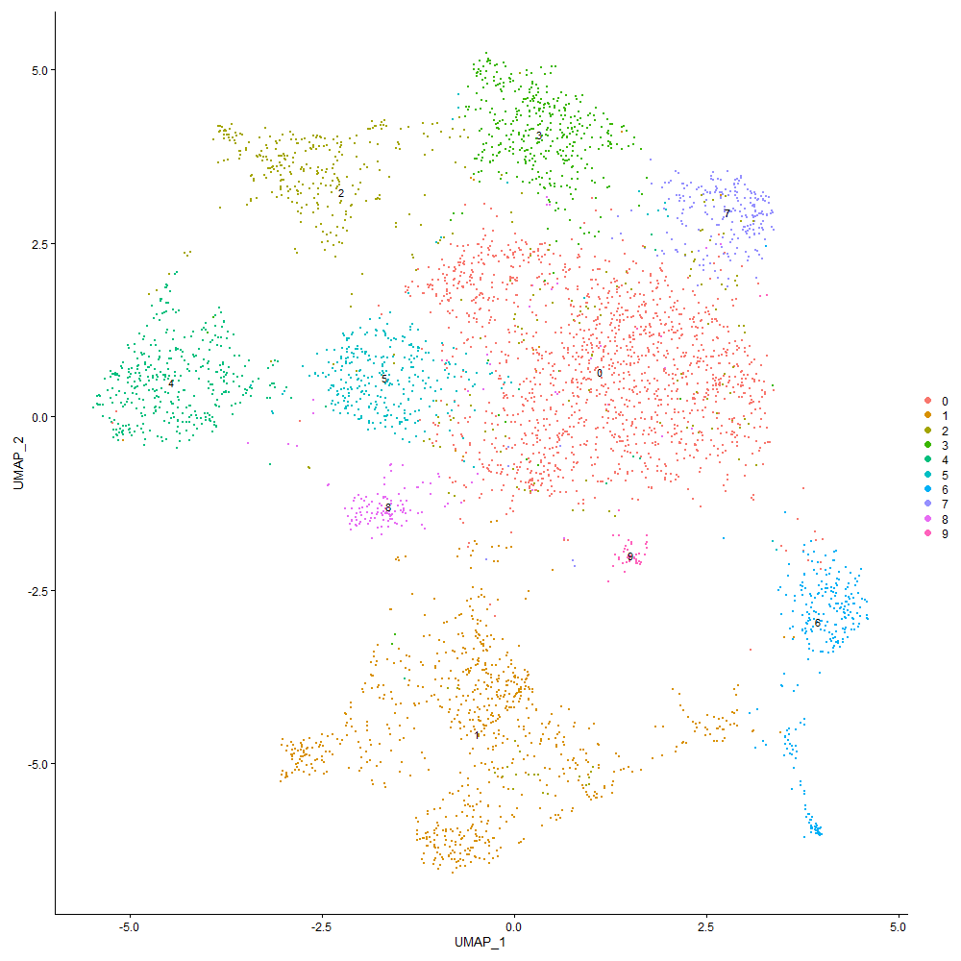
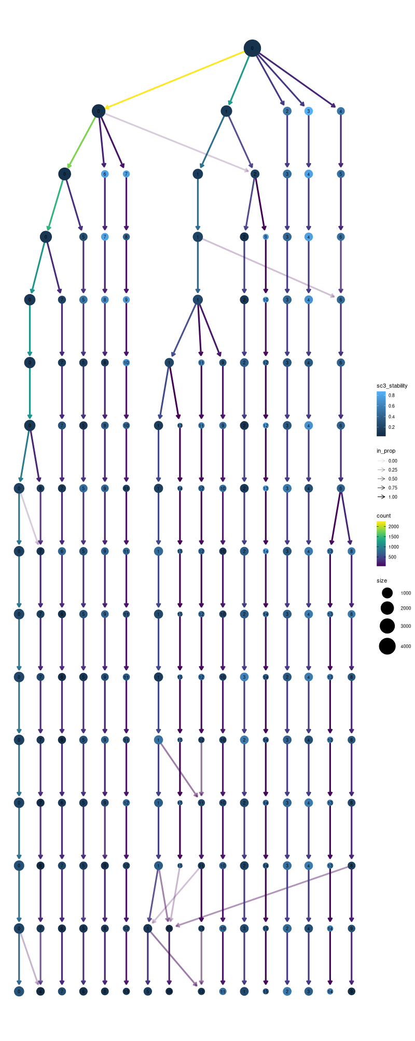

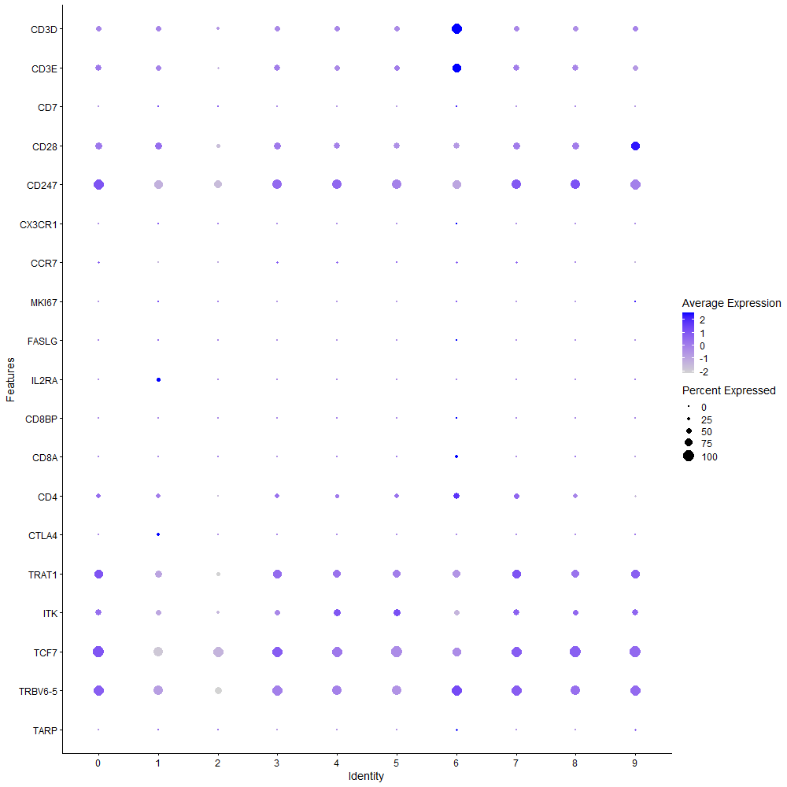
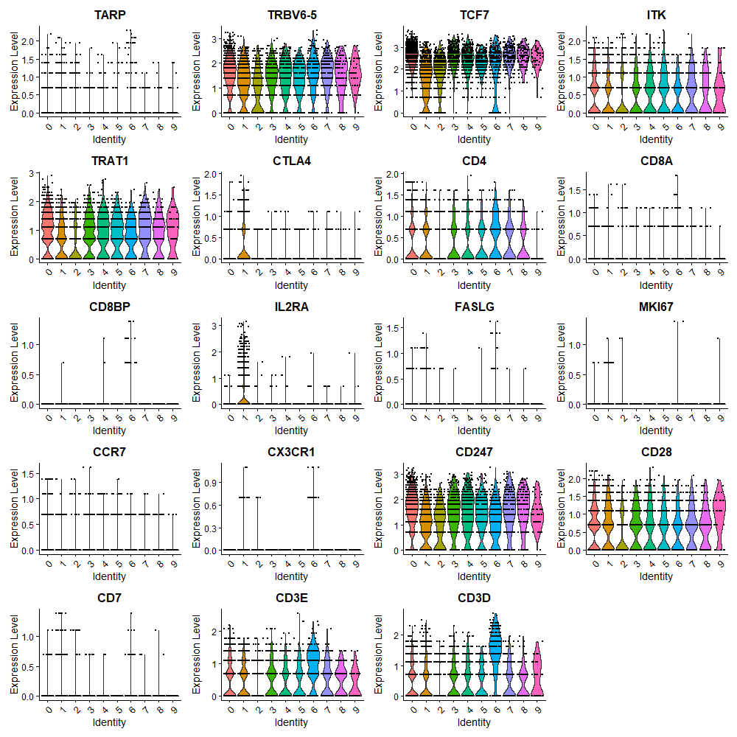

Cluster0
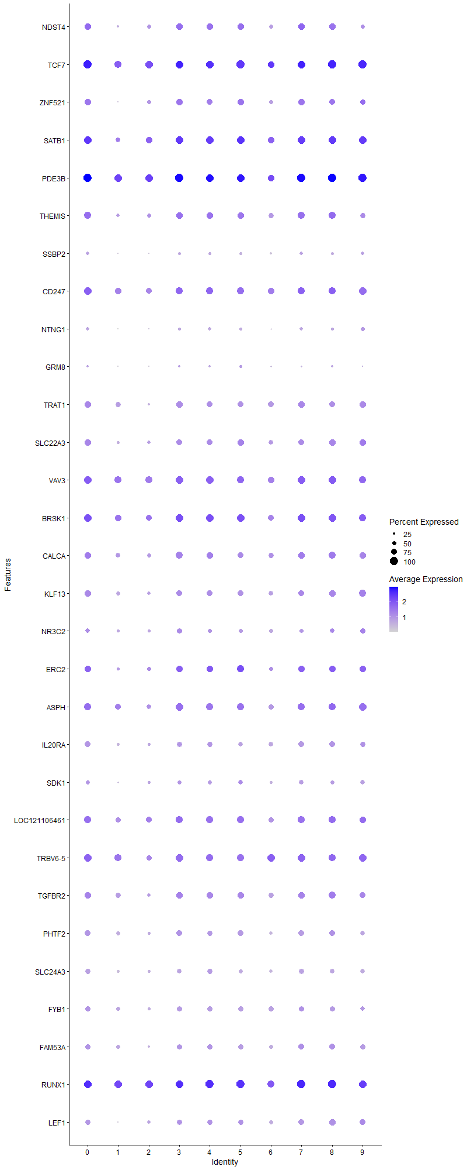
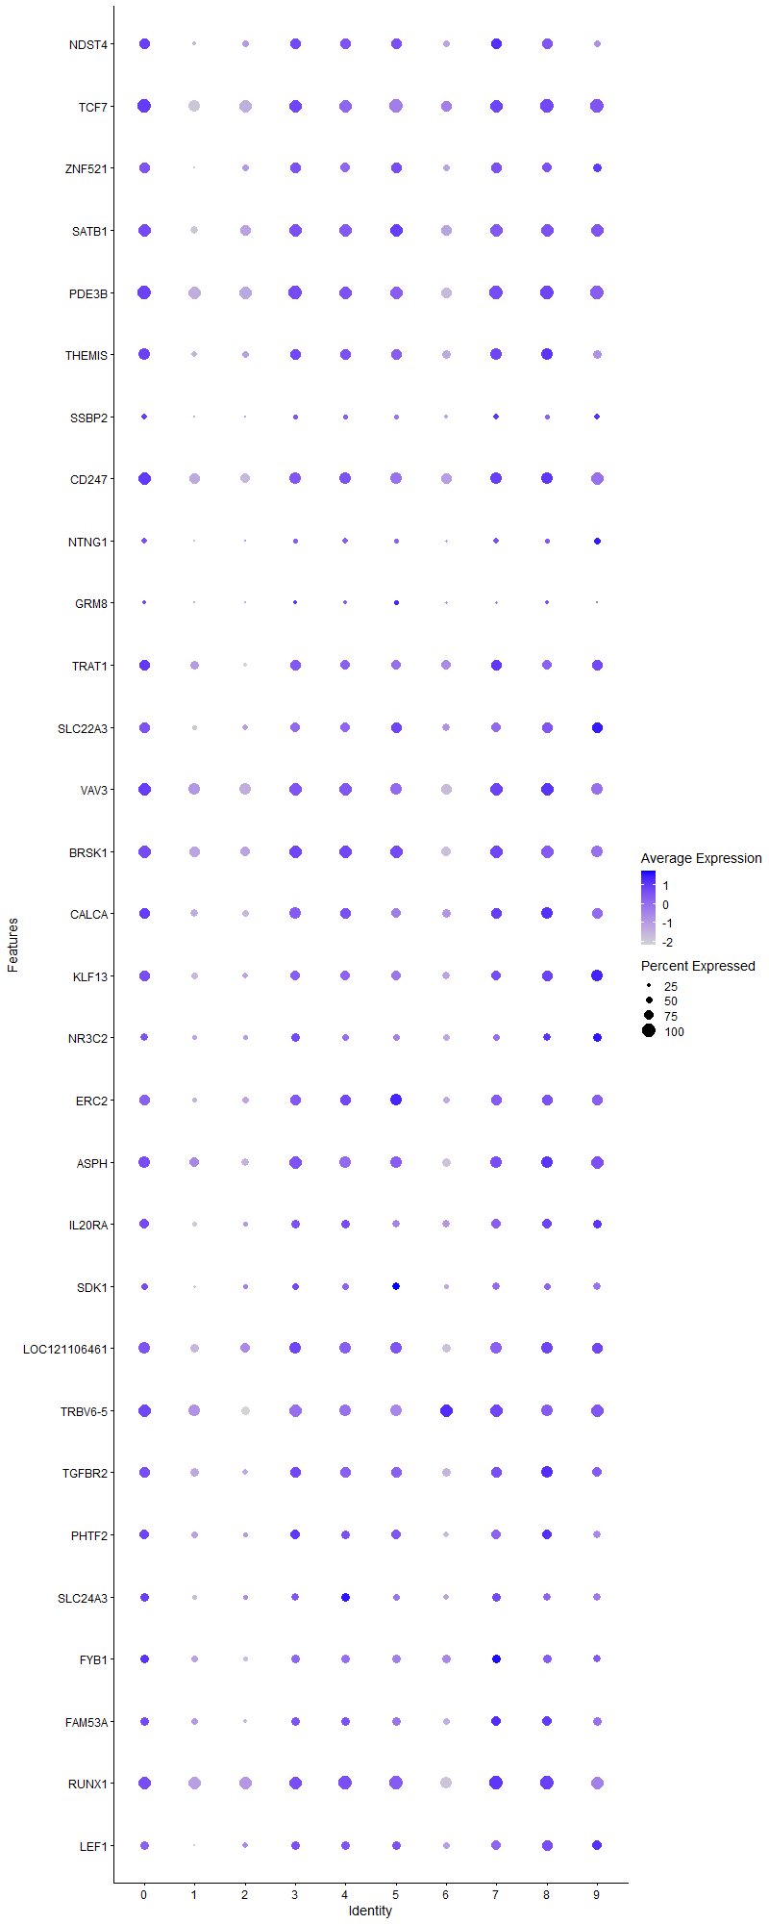
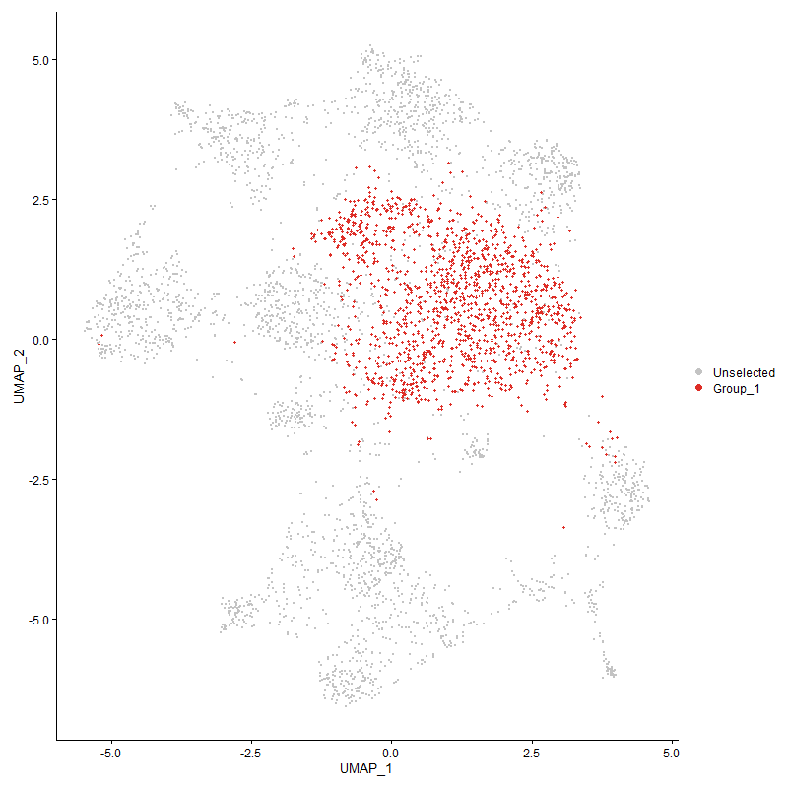
 | p_val | avg_log2FC | pct.1 | pct.2 | p_val_adj | cluster | gene
NDST4 | 7.5540824355E-65 | 0.5606634521 | 0.841 | 0.59 | 1.1535839287E-60 | 0 | NDST4
TCF7 | 4.6286523597E-100 | 0.50646318404 | 1 | 0.937 | 7.0684150185E-96 | 0 | TCF7
ZNF521 | 1.3013649626E-52 | 0.48790733049 | 0.796 | 0.549 | 1.9873144344E-48 | 0 | ZNF521
SATB1 | 4.5235290312E-70 | 0.47666306307 | 0.992 | 0.843 | 6.9078811836E-66 | 0 | SATB1
PDE3B | 2.0593606129E-78 | 0.45163817434 | 0.999 | 0.962 | 3.144849592E-74 | 0 | PDE3B
THEMIS | 1.4674469828E-49 | 0.44843038875 | 0.86 | 0.663 | 2.2409382874E-45 | 0 | THEMIS
SSBP2 | 2.8460782275E-27 | 0.40984276751 | 0.426 | 0.272 | 4.3462460612E-23 | 0 | SSBP2
CD247 | 7.3937911246E-49 | 0.40977455658 | 0.942 | 0.824 | 1.1291058426E-44 | 0 | CD247
NTNG1 | 3.3893082779E-31 | 0.40412206125 | 0.408 | 0.239 | 5.1758126712E-27 | 0 | NTNG1
GRM8 | 4.5054471759E-12 | 0.37297775236 | 0.277 | 0.191 | 6.8802683823E-08 | 0 | GRM8
TRAT1 | 5.0179292272E-37 | 0.34517770777 | 0.823 | 0.66 | 7.6628797228E-33 | 0 | TRAT1
SLC22A3 | 1.993989897E-33 | 0.34502637608 | 0.785 | 0.592 | 3.0450219718E-29 | 0 | SLC22A3
VAV3 | 7.5579449055E-39 | 0.33645824525 | 0.961 | 0.91 | 1.1541737665E-34 | 0 | VAV3
BRSK1 | 5.2387726182E-36 | 0.33321209507 | 0.957 | 0.865 | 8.0001296652E-32 | 0 | BRSK1
CALCA | 2.5810560892E-25 | 0.33270975325 | 0.833 | 0.693 | 3.9415307539E-21 | 0 | CALCA
KLF13 | 4.0114025992E-28 | 0.30768540442 | 0.79 | 0.629 | 6.1258129093E-24 | 0 | KLF13
NR3C2 | 5.427616384E-13 | 0.3009247359 | 0.584 | 0.488 | 8.28851298E-09 | 0 | NR3C2
ERC2 | 1.9631694979E-23 | 0.30053861208 | 0.805 | 0.637 | 2.9979561403E-19 | 0 | ERC2
ASPH | 9.4503184882E-25 | 0.29393289705 | 0.889 | 0.797 | 1.4431581363E-20 | 0 | ASPH
IL20RA | 1.3396025056E-31 | 0.28064460145 | 0.728 | 0.529 | 2.0457069862E-27 | 0 | IL20RA
SDK1 | 2.8246951802E-16 | 0.27847587175 | 0.537 | 0.408 | 4.3135920096E-12 | 0 | SDK1
LOC121106461 | 1.9457605976E-17 | 0.27575795266 | 0.867 | 0.788 | 2.9713710086E-13 | 0 | LOC121106461
TRBV6-5 | 1.4942236384E-21 | 0.27527851391 | 0.937 | 0.868 | 2.2818289183E-17 | 0 | TRBV6-5
TGFBR2 | 4.4651470724E-18 | 0.2740486615 | 0.803 | 0.701 | 6.8187260943E-14 | 0 | TGFBR2
PHTF2 | 7.6612563748E-23 | 0.26575514257 | 0.743 | 0.588 | 1.169950461E-18 | 0 | PHTF2
SLC24A3 | 4.870054574E-22 | 0.25793884132 | 0.623 | 0.465 | 7.43706034E-18 | 0 | SLC24A3
FYB1 | 2.8947060267E-16 | 0.25772458291 | 0.69 | 0.571 | 4.4205055734E-12 | 0 | FYB1
FAM53A | 4.6446719547E-15 | 0.25639773045 | 0.674 | 0.569 | 7.092878542E-11 | 0 | FAM53A
RUNX1 | 8.0071452859E-30 | 0.25167777338 | 0.997 | 0.976 | 1.2227711566E-25 | 0 | RUNX1
LEF1 | 5.4125850306E-23 | 0.25108590269 | 0.684 | 0.505 | 8.2655586002E-19 | 0 | LEF1

Cluster1
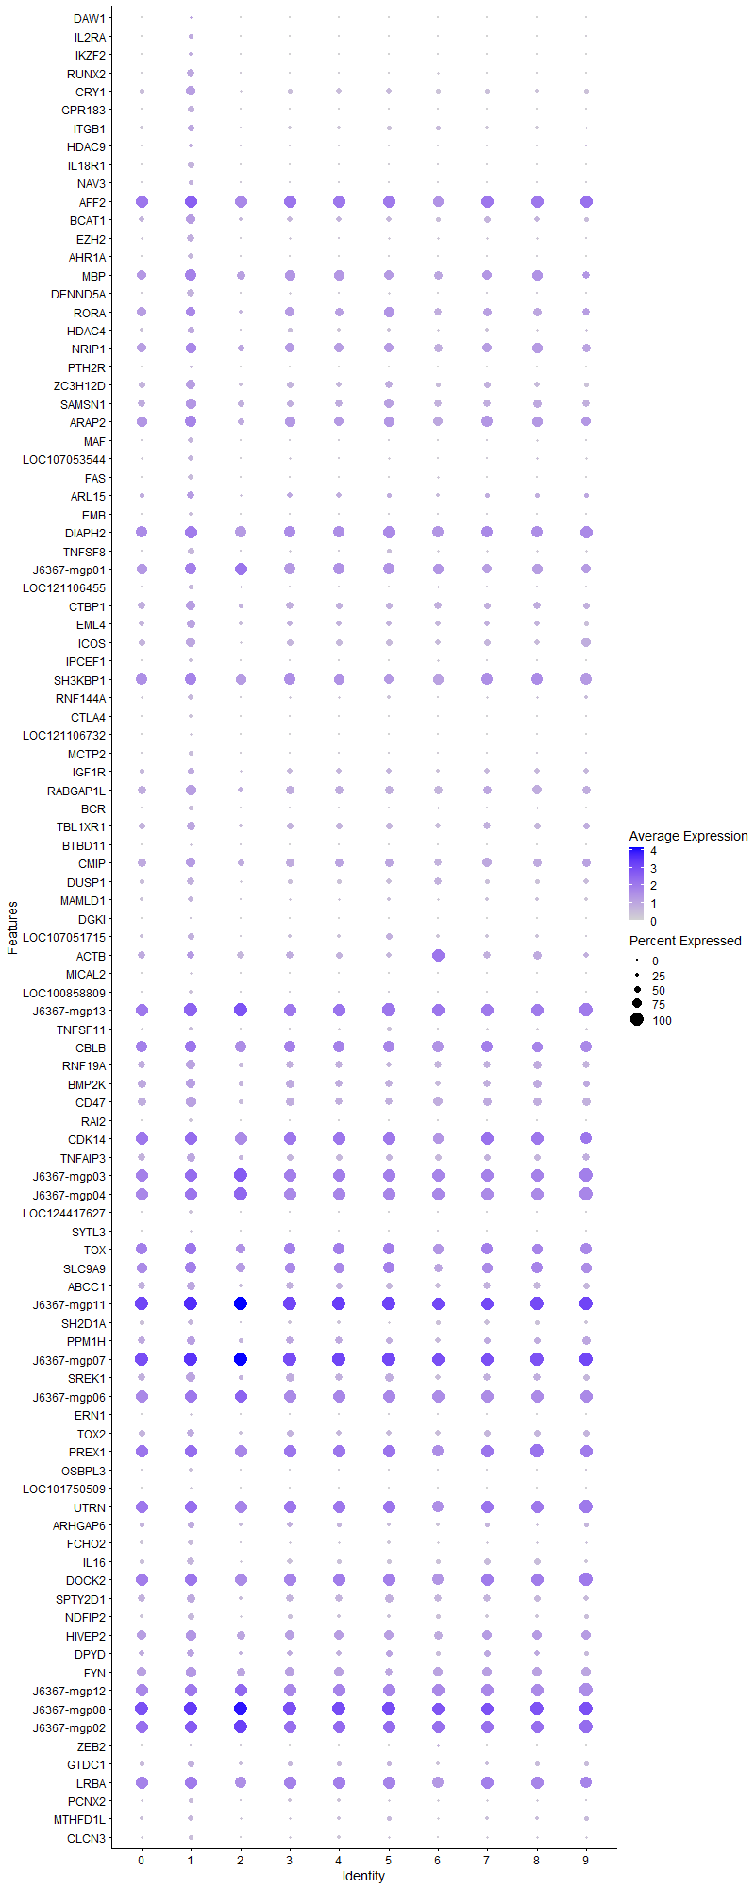
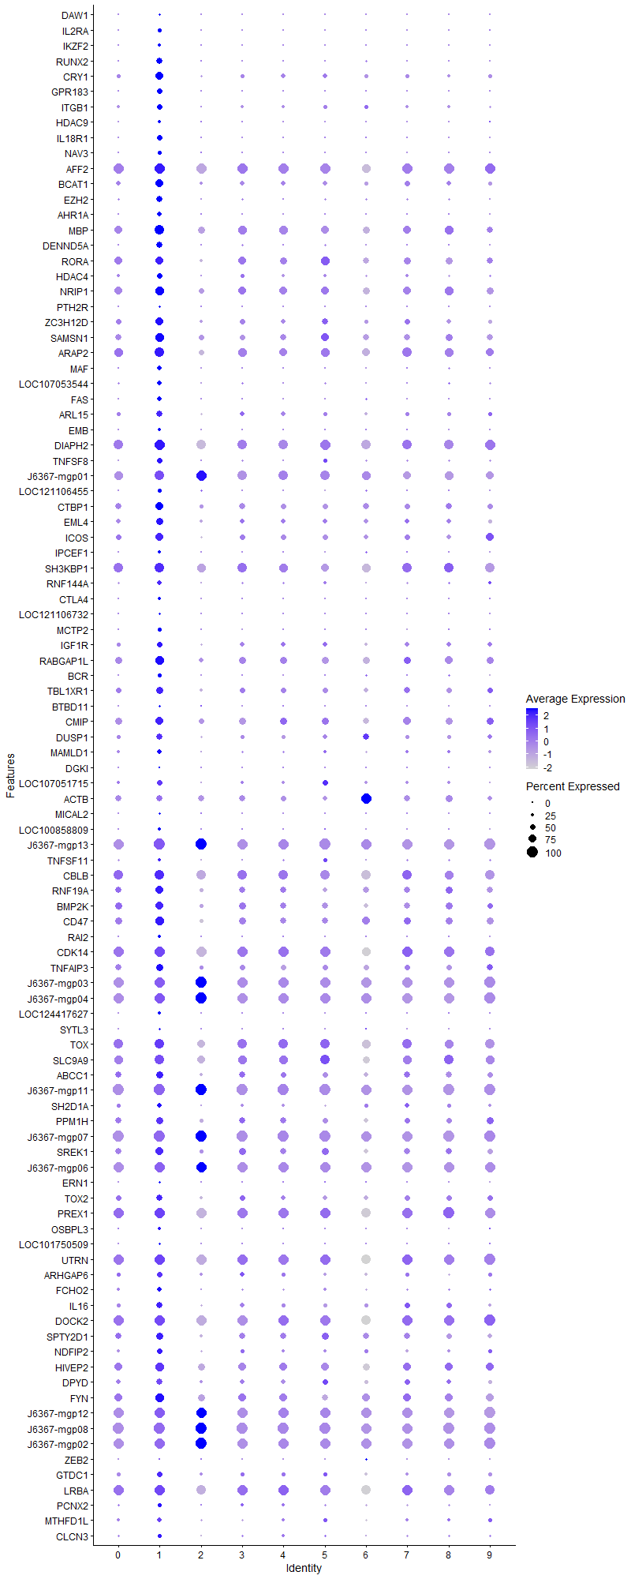
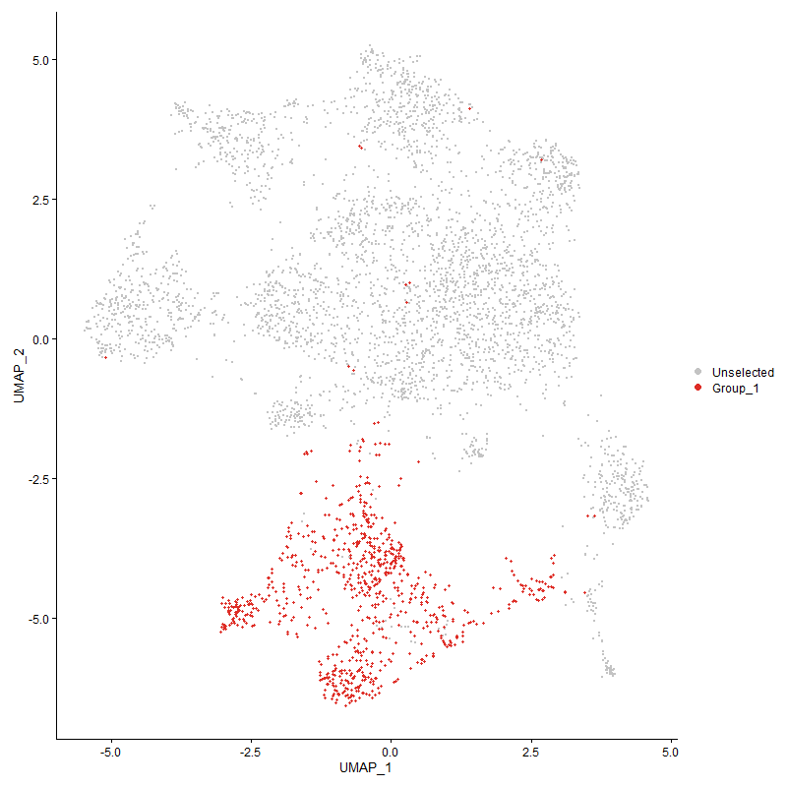
 | p_val | avg_log2FC | pct.1 | pct.2 | p_val_adj | cluster | gene
DAW1 | 3.2860084831E-112 | 1.5181570037 | 0.151 | 0.003 | 5.0180635546E-108 | 1 | DAW1
IL2RA | 8.3347952326E-226 | 1.243246084 | 0.315 | 0.01 | 1.27280658E-221 | 1 | IL2RA
IKZF2 | 5.4808967098E-181 | 1.1806355009 | 0.29 | 0.016 | 8.3698773656E-177 | 1 | IKZF2
RUNX2 | 1.6245463922E-231 | 1.1773088181 | 0.541 | 0.084 | 2.4808447955E-227 | 1 | RUNX2
CRY1 | 4.171434666E-139 | 1.0314322338 | 0.741 | 0.336 | 6.3701978785E-135 | 1 | CRY1
GPR183 | 1.2459589569E-209 | 0.95513530145 | 0.455 | 0.058 | 1.9027039231E-205 | 1 | GPR183
ITGB1 | 3.1840644784E-55 | 0.95081512554 | 0.464 | 0.237 | 4.862384865E-51 | 1 | ITGB1
HDAC9 | 7.9116233128E-62 | 0.93663523361 | 0.23 | 0.053 | 1.2081839961E-57 | 1 | HDAC9
IL18R1 | 6.7619874842E-240 | 0.87141618249 | 0.498 | 0.059 | 1.0326231087E-235 | 1 | IL18R1
NAV3 | 6.2839681101E-119 | 0.84723922227 | 0.352 | 0.064 | 9.5962477009E-115 | 1 | NAV3
AFF2 | 8.4307010206E-73 | 0.83290248841 | 0.96 | 0.953 | 1.2874523529E-68 | 1 | AFF2
BCAT1 | 2.3147041992E-66 | 0.82509393177 | 0.687 | 0.408 | 3.5347847826E-62 | 1 | BCAT1
EZH2 | 3.6345779418E-117 | 0.8085312702 | 0.533 | 0.164 | 5.5503639749E-113 | 1 | EZH2
AHR1A | 3.8007208717E-180 | 0.79191253253 | 0.378 | 0.041 | 5.8040808432E-176 | 1 | AHR1A
MBP | 1.9639887474E-50 | 0.77731548786 | 0.863 | 0.745 | 2.9992072161E-46 | 1 | MBP
DENND5A | 2.3759044367E-162 | 0.77496535257 | 0.533 | 0.12 | 3.6282436652E-158 | 1 | DENND5A
RORA | 2.5564612981E-28 | 0.76211634824 | 0.764 | 0.638 | 3.9039720483E-24 | 1 | RORA
HDAC4 | 4.5621172386E-49 | 0.76165090044 | 0.47 | 0.242 | 6.966809235E-45 | 1 | HDAC4
NRIP1 | 7.190631346E-48 | 0.75450119652 | 0.837 | 0.699 | 1.0980813129E-43 | 1 | NRIP1
PTH2R | 1.7479627708E-109 | 0.74451721636 | 0.158 | 0.005 | 2.6693139473E-105 | 1 | PTH2R
ZC3H12D | 1.9054092321E-74 | 0.72764215463 | 0.728 | 0.434 | 2.9097504383E-70 | 1 | ZC3H12D
SAMSN1 | 8.7041415046E-63 | 0.67222069915 | 0.799 | 0.558 | 1.3292094492E-58 | 1 | SAMSN1
ARAP2 | 3.9038569069E-57 | 0.66653220648 | 0.907 | 0.755 | 5.9615798826E-53 | 1 | ARAP2
MAF | 1.5683518919E-94 | 0.66257041868 | 0.376 | 0.097 | 2.3950301741E-90 | 1 | MAF
LOC107053544 | 5.785878431E-89 | 0.65933926619 | 0.446 | 0.141 | 8.8356149519E-85 | 1 | LOC107053544
FAS | 2.4279344123E-182 | 0.65249866253 | 0.443 | 0.064 | 3.707698641E-178 | 1 | FAS
ARL15 | 1.4662277642E-38 | 0.60223375392 | 0.581 | 0.342 | 2.2390764186E-34 | 1 | ARL15
EMB | 2.8750267832E-58 | 0.57659079633 | 0.264 | 0.074 | 4.3904534006E-54 | 1 | EMB
DIAPH2 | 6.0525548544E-59 | 0.57271632426 | 0.967 | 0.901 | 9.2428565181E-55 | 1 | DIAPH2
TNFSF8 | 1.0819453863E-85 | 0.56872795926 | 0.462 | 0.156 | 1.6522387994E-81 | 1 | TNFSF8
J6367-mgp01 | 2.0807983839E-27 | 0.5648192438 | 0.91 | 0.828 | 3.1775872121E-23 | 1 | J6367-mgp01
LOC121106455 | 1.6053503673E-70 | 0.56340416913 | 0.351 | 0.103 | 2.4515305459E-66 | 1 | LOC121106455
CTBP1 | 2.543765305E-46 | 0.54812598071 | 0.762 | 0.523 | 3.8845839973E-42 | 1 | CTBP1
EML4 | 1.1158302328E-44 | 0.5435353663 | 0.639 | 0.372 | 1.7039843484E-40 | 1 | EML4
ICOS | 1.3060797408E-51 | 0.54255863327 | 0.7 | 0.446 | 1.9945143722E-47 | 1 | ICOS
IPCEF1 | 7.3631321917E-91 | 0.5255680599 | 0.286 | 0.055 | 1.124423917E-86 | 1 | IPCEF1
SH3KBP1 | 6.1559306605E-27 | 0.49065735315 | 0.898 | 0.835 | 9.4007217116E-23 | 1 | SH3KBP1
RNF144A | 2.4746537178E-45 | 0.48337554926 | 0.387 | 0.167 | 3.7790436924E-41 | 1 | RNF144A
CTLA4 | 2.5275883425E-112 | 0.48160547649 | 0.284 | 0.041 | 3.8598801578E-108 | 1 | CTLA4
LOC121106732 | 8.6510887011E-110 | 0.47911946206 | 0.189 | 0.012 | 1.3211077555E-105 | 1 | LOC121106732
MCTP2 | 1.2649340171E-68 | 0.47822761035 | 0.335 | 0.098 | 1.9316807375E-64 | 1 | MCTP2
IGF1R | 3.6051504987E-20 | 0.47592668191 | 0.501 | 0.355 | 5.5054253266E-16 | 1 | IGF1R
RABGAP1L | 2.0871824434E-40 | 0.4729367715 | 0.783 | 0.611 | 3.1873363093E-36 | 1 | RABGAP1L
BCR | 4.8447996119E-53 | 0.46774853816 | 0.32 | 0.11 | 7.3984934873E-49 | 1 | BCR
TBL1XR1 | 2.8089486974E-33 | 0.46141636749 | 0.677 | 0.477 | 4.2895455558E-29 | 1 | TBL1XR1
BTBD11 | 7.4476292946E-69 | 0.46139822345 | 0.169 | 0.022 | 1.1373274696E-64 | 1 | BTBD11
CMIP | 1.7757849118E-16 | 0.46131238316 | 0.704 | 0.616 | 2.7118011387E-12 | 1 | CMIP
DUSP1 | 3.7371177902E-35 | 0.46027446249 | 0.556 | 0.344 | 5.7069525774E-31 | 1 | DUSP1
MAMLD1 | 7.3857164368E-32 | 0.45768358097 | 0.398 | 0.207 | 1.1278727571E-27 | 1 | MAMLD1
DGKI | 5.6821490808E-101 | 0.45438335966 | 0.132 | 0.002 | 8.6772098613E-97 | 1 | DGKI
LOC107051715 | 1.4542944046E-34 | 0.44979086943 | 0.472 | 0.257 | 2.2208529853E-30 | 1 | LOC107051715
ACTB | 0.00062245046683 | 0.44756965268 | 0.586 | 0.58 | 1 | 1 | ACTB
MICAL2 | 7.3793730796E-121 | 0.44034678693 | 0.212 | 0.014 | 1.126904063E-116 | 1 | MICAL2
LOC100858809 | 2.4313305977E-92 | 0.43988590842 | 0.286 | 0.052 | 3.7128849557E-88 | 1 | LOC100858809
J6367-mgp13 | 4.6424412351E-39 | 0.43749818157 | 1 | 0.993 | 7.0894720101E-35 | 1 | J6367-mgp13
TNFSF11 | 4.6138248632E-21 | 0.43681104861 | 0.277 | 0.148 | 7.0457719486E-17 | 1 | TNFSF11
CBLB | 8.2948089954E-12 | 0.42835322796 | 0.903 | 0.89 | 1.2667002817E-07 | 1 | CBLB
RNF19A | 1.5857682325E-29 | 0.42426478908 | 0.721 | 0.542 | 2.4216266678E-25 | 1 | RNF19A
BMP2K | 3.2399742724E-23 | 0.42182353161 | 0.726 | 0.568 | 4.9477647114E-19 | 1 | BMP2K
CD47 | 1.9728976141E-30 | 0.42091877182 | 0.772 | 0.613 | 3.0128119464E-26 | 1 | CD47
RAI2 | 5.9465263412E-137 | 0.42005111675 | 0.282 | 0.028 | 9.0809403756E-133 | 1 | RAI2
CDK14 | 5.4715930247E-32 | 0.41774383258 | 0.982 | 0.936 | 8.355669708E-28 | 1 | CDK14
TNFAIP3 | 1.3936192426E-24 | 0.4169126583 | 0.652 | 0.499 | 2.1281959454E-20 | 1 | TNFAIP3
J6367-mgp03 | 3.6523707769E-38 | 0.41199329485 | 0.999 | 0.982 | 5.5775354134E-34 | 1 | J6367-mgp03
J6367-mgp04 | 4.9415467413E-25 | 0.40950721732 | 0.986 | 0.969 | 7.5462360287E-21 | 1 | J6367-mgp04
LOC124417627 | 9.484064772E-70 | 0.40483958008 | 0.245 | 0.053 | 1.4483115313E-65 | 1 | LOC124417627
SYTL3 | 1.1073271326E-92 | 0.40311770852 | 0.206 | 0.023 | 1.6909992642E-88 | 1 | SYTL3
TOX | 1.3443277305E-17 | 0.40213387155 | 0.903 | 0.845 | 2.0529228773E-13 | 1 | TOX
SLC9A9 | 1.8475427852E-14 | 0.4008687489 | 0.881 | 0.798 | 2.8213825873E-10 | 1 | SLC9A9
ABCC1 | 1.6826939436E-25 | 0.39962583752 | 0.672 | 0.505 | 2.5696419212E-21 | 1 | ABCC1
J6367-mgp11 | 2.1051435737E-45 | 0.39769413816 | 1 | 0.999 | 3.2147647515E-41 | 1 | J6367-mgp11
SH2D1A | 7.838448692E-27 | 0.39260779071 | 0.451 | 0.279 | 1.1970094998E-22 | 1 | SH2D1A
PPM1H | 1.6248790808E-22 | 0.39096871015 | 0.668 | 0.504 | 2.4813528443E-18 | 1 | PPM1H
J6367-mgp07 | 2.8167176504E-40 | 0.38606078171 | 1 | 0.999 | 4.301409524E-36 | 1 | J6367-mgp07
SREK1 | 7.9692072381E-21 | 0.38436582296 | 0.699 | 0.559 | 1.2169776373E-16 | 1 | SREK1
J6367-mgp06 | 8.5076771365E-27 | 0.37535288364 | 0.982 | 0.961 | 1.2992073755E-22 | 1 | J6367-mgp06
ERN1 | 3.089001974E-42 | 0.36906030045 | 0.195 | 0.054 | 4.7172149145E-38 | 1 | ERN1
TOX2 | 1.4851036313E-15 | 0.36512619691 | 0.571 | 0.45 | 2.2679017554E-11 | 1 | TOX2
PREX1 | 5.3254701676E-28 | 0.36369137516 | 0.984 | 0.963 | 8.1325254929E-24 | 1 | PREX1
OSBPL3 | 1.9198286531E-28 | 0.36367703889 | 0.251 | 0.107 | 2.9317703361E-24 | 1 | OSBPL3
LOC101750509 | 2.4185686166E-90 | 0.36176465408 | 0.193 | 0.02 | 3.6933961344E-86 | 1 | LOC101750509
UTRN | 2.0864417373E-28 | 0.34941011226 | 0.987 | 0.969 | 3.186205177E-24 | 1 | UTRN
ARHGAP6 | 3.2168758556E-24 | 0.34564161049 | 0.52 | 0.325 | 4.9124911191E-20 | 1 | ARHGAP6
FCHO2 | 3.1812104658E-35 | 0.34236100837 | 0.42 | 0.209 | 4.8580265023E-31 | 1 | FCHO2
IL16 | 3.2693707101E-32 | 0.3401085348 | 0.565 | 0.348 | 4.9926560113E-28 | 1 | IL16
DOCK2 | 1.1234233194E-25 | 0.33517397365 | 0.975 | 0.958 | 1.7155797511E-21 | 1 | DOCK2
SPTY2D1 | 5.7210983028E-21 | 0.3333154536 | 0.682 | 0.528 | 8.7366892182E-17 | 1 | SPTY2D1
NDFIP2 | 6.8040517041E-30 | 0.33243906198 | 0.465 | 0.266 | 1.0390467357E-25 | 1 | NDFIP2
HIVEP2 | 6.6517014703E-12 | 0.32733064853 | 0.765 | 0.711 | 1.0157813315E-07 | 1 | HIVEP2
DPYD | 2.9335747059E-16 | 0.32575295741 | 0.569 | 0.409 | 4.4798619334E-12 | 1 | DPYD
FYN | 2.9678358166E-16 | 0.32505925816 | 0.816 | 0.725 | 4.5321820756E-12 | 1 | FYN
J6367-mgp12 | 2.5884226883E-27 | 0.32291929908 | 0.989 | 0.967 | 3.9527802873E-23 | 1 | J6367-mgp12
J6367-mgp08 | 7.9875627127E-35 | 0.31715756546 | 1 | 0.999 | 1.2197807019E-30 | 1 | J6367-mgp08
J6367-mgp02 | 1.6244135747E-22 | 0.3141995714 | 0.996 | 0.995 | 2.4806419699E-18 | 1 | J6367-mgp02
ZEB2 | 1.5895390718E-21 | 0.31251713026 | 0.112 | 0.033 | 2.4273851165E-17 | 1 | ZEB2
GTDC1 | 1.2076984133E-19 | 0.31094853666 | 0.477 | 0.303 | 1.8442762469E-15 | 1 | GTDC1
LRBA | 5.5301158213E-20 | 0.30927362229 | 0.97 | 0.922 | 8.4450398707E-16 | 1 | LRBA
PCNX2 | 5.0788040035E-25 | 0.30585339998 | 0.362 | 0.192 | 7.7558415937E-21 | 1 | PCNX2
MTHFD1L | 5.8599743646E-20 | 0.3035605478 | 0.398 | 0.238 | 8.9487668522E-16 | 1 | MTHFD1L
CLCN3 | 7.3281348778E-20 | 0.30151240283 | 0.328 | 0.184 | 1.1190794772E-15 | 1 | CLCN3
EPB41L2 | 4.722984066E-16 | 0.29930693346 | 0.231 | 0.121 | 7.2124689672E-12 | 1 | EPB41L2
TRAF3 | 3.1737435687E-12 | 0.29616206115 | 0.624 | 0.502 | 4.8466238037E-08 | 1 | TRAF3
PPIL4 | 9.711704963E-29 | 0.29609757602 | 0.39 | 0.209 | 1.4830744649E-24 | 1 | PPIL4
SMAD3 | 1.0368797609E-92 | 0.29278842352 | 0.153 | 0.008 | 1.5834190828E-88 | 1 | SMAD3
TTBK1 | 5.2321629494E-22 | 0.29157161201 | 0.26 | 0.127 | 7.99003604E-18 | 1 | TTBK1
ESYT2 | 1.7678887276E-15 | 0.29095135456 | 0.56 | 0.415 | 2.699742876E-11 | 1 | ESYT2
P2RX5 | 3.3690096109E-41 | 0.28937723294 | 0.296 | 0.113 | 5.1448145769E-37 | 1 | P2RX5
LOC415472 | 5.7736118211E-35 | 0.2847552405 | 0.204 | 0.066 | 8.816882612E-31 | 1 | LOC415472
CCNJL | 3.6852825586E-44 | 0.28410262331 | 0.156 | 0.033 | 5.6277949952E-40 | 1 | CCNJL
PIP4K2A | 8.5860632965E-16 | 0.28356119339 | 0.715 | 0.565 | 1.311177726E-11 | 1 | PIP4K2A
EZR | 1.9916780936E-27 | 0.28265568896 | 0.203 | 0.078 | 3.0414916167E-23 | 1 | EZR
IL6ST | 1.2597083647E-63 | 0.28124093941 | 0.221 | 0.045 | 1.9237006437E-59 | 1 | IL6ST
CCDC88B | 3.2616144511E-12 | 0.27967794093 | 0.581 | 0.458 | 4.9808114283E-08 | 1 | CCDC88B
TNFRSF4 | 3.7481337299E-50 | 0.27944439679 | 0.163 | 0.031 | 5.723775019E-46 | 1 | TNFRSF4
KDM1B | 9.6570120402E-25 | 0.27511935157 | 0.375 | 0.21 | 1.4747223087E-20 | 1 | KDM1B
PRKAG2 | 5.8116057528E-30 | 0.27215748109 | 0.188 | 0.065 | 8.8749031451E-26 | 1 | PRKAG2
PIK3CB | 6.4655643812E-27 | 0.27120632119 | 0.178 | 0.063 | 9.8735633665E-23 | 1 | PIK3CB
ATP10A | 1.6190721092E-25 | 0.26927878508 | 0.285 | 0.134 | 2.472485018E-21 | 1 | ATP10A
HECTD1 | 1.5818986429E-18 | 0.26911692691 | 0.521 | 0.362 | 2.4157174176E-14 | 1 | HECTD1
CNST | 1.4891444322E-26 | 0.26900335924 | 0.318 | 0.158 | 2.2740724623E-22 | 1 | CNST
TSPAN14 | 5.5644706143E-23 | 0.26814643912 | 0.357 | 0.195 | 8.4975030752E-19 | 1 | TSPAN14
CDC73 | 4.3539408664E-14 | 0.26726800177 | 0.53 | 0.394 | 6.6489030971E-10 | 1 | CDC73
AGAP1 | 2.4730698734E-27 | 0.26444486544 | 0.228 | 0.092 | 3.7766250037E-23 | 1 | AGAP1
CCDC171 | 3.6464135258E-18 | 0.26175430425 | 0.252 | 0.131 | 5.5684380952E-14 | 1 | CCDC171
UBE2E2 | 1.3364562108E-12 | 0.26097481142 | 0.153 | 0.073 | 2.0409022795E-08 | 1 | UBE2E2
TRAPPC9 | 6.5692801465E-11 | 0.25997865739 | 0.55 | 0.417 | 1.0031947712E-06 | 1 | TRAPPC9
ST8SIA4 | 4.537257377E-14 | 0.25947875657 | 0.656 | 0.508 | 6.9288457404E-10 | 1 | ST8SIA4
LOC112531858 | 5.4596475512E-13 | 0.2594545653 | 0.251 | 0.145 | 8.3374277754E-09 | 1 | LOC112531858
LOC121106981 | 4.9240820476E-08 | 0.25937368094 | 0.728 | 0.697 | 0.00075195656949 | 1 | LOC121106981
CAST | 7.0631777659E-73 | 0.25830657297 | 0.148 | 0.014 | 1.0786178766E-68 | 1 | CAST
PSIP1 | 1.4223907206E-16 | 0.25690031273 | 0.419 | 0.274 | 2.1721328695E-12 | 1 | PSIP1
DPF3 | 4.0063294082E-17 | 0.25601719555 | 0.24 | 0.123 | 6.1180656393E-13 | 1 | DPF3
CDK6 | 2.1273812563E-16 | 0.25600087464 | 0.305 | 0.175 | 3.2487239165E-12 | 1 | CDK6
LCP1 | 5.2756474708E-10 | 0.2556463723 | 0.366 | 0.269 | 8.0564412526E-06 | 1 | LCP1
ADIPOR2 | 2.8747691381E-22 | 0.25205691961 | 0.367 | 0.207 | 4.3900599508E-18 | 1 | ADIPOR2
MAML2 | 9.8974672092E-08 | 0.2514228804 | 0.211 | 0.139 | 0.0015114422175 | 1 | MAML2

Cluster2
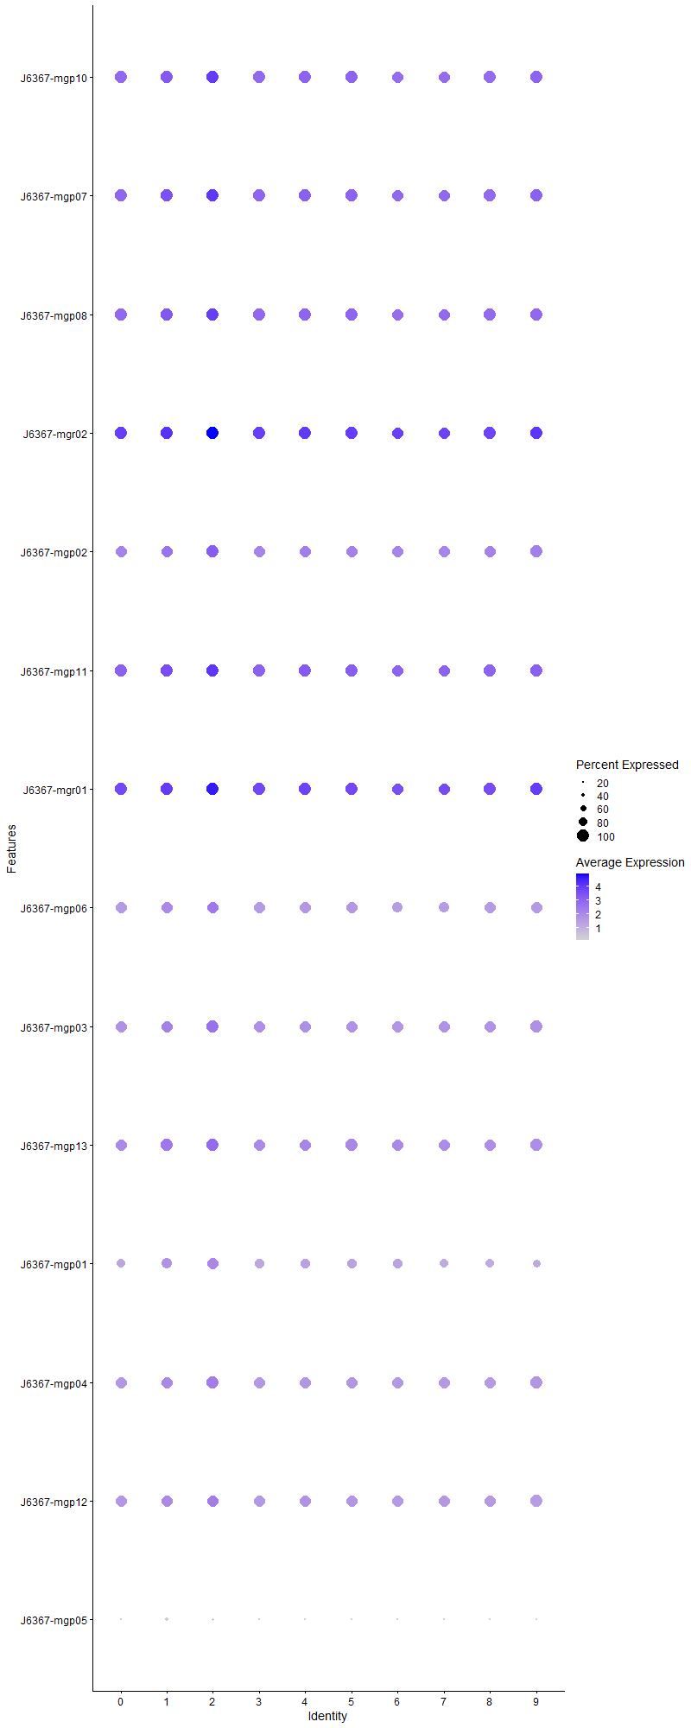
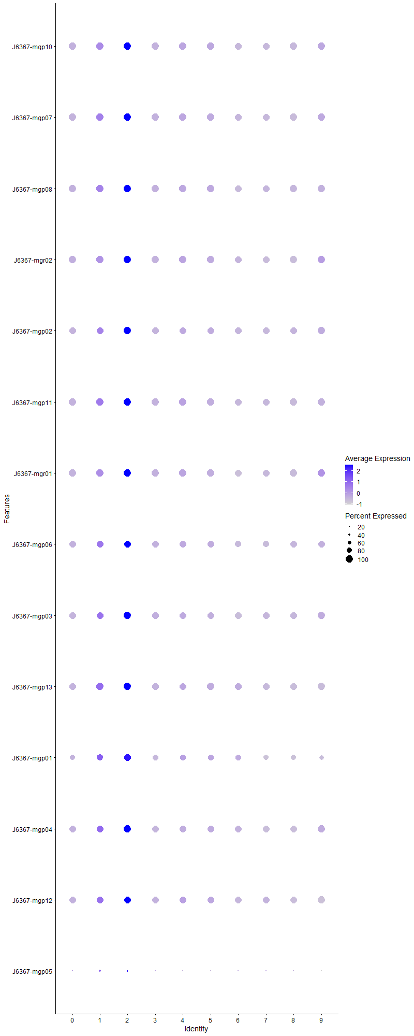
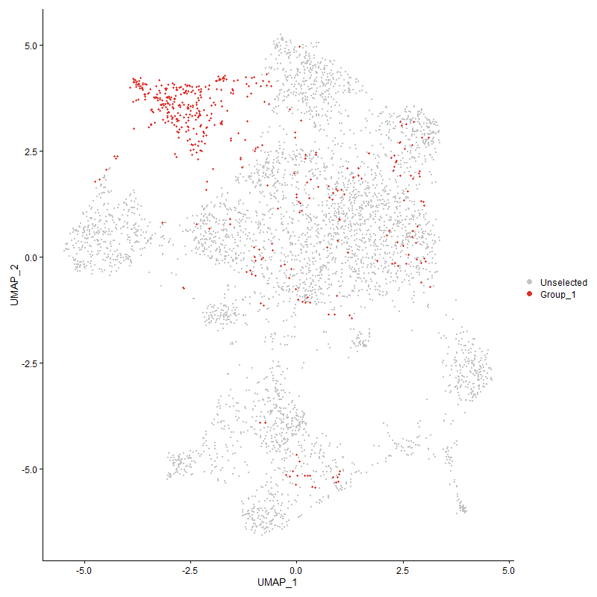
 | p_val | avg_log2FC | pct.1 | pct.2 | p_val_adj | cluster | gene
J6367-mgp10 | 2.1268378183E-171 | 1.4433314903 | 1 | 0.999 | 3.2478940323E-167 | 2 | J6367-mgp10
J6367-mgp071 | 1.4328834034E-171 | 1.4246481683 | 1 | 0.999 | 2.1881562454E-167 | 2 | J6367-mgp07
J6367-mgp081 | 9.8785500452E-158 | 1.3518445535 | 1 | 0.999 | 1.5085533774E-153 | 2 | J6367-mgp08
J6367-mgr02 | 5.4551124753E-161 | 1.2927761701 | 1 | 0.999 | 8.330502261E-157 | 2 | J6367-mgr02
J6367-mgp021 | 4.2026707064E-146 | 1.271812508 | 1 | 0.994 | 6.4178984357E-142 | 2 | J6367-mgp02
J6367-mgp111 | 1.676386889E-169 | 1.2592337574 | 1 | 0.999 | 2.5600104182E-165 | 2 | J6367-mgp11
J6367-mgr01 | 1.4461061925E-174 | 1.2580643423 | 1 | 0.999 | 2.2083487665E-170 | 2 | J6367-mgr01
J6367-mgp061 | 7.884499876E-99 | 1.0938088868 | 0.991 | 0.961 | 1.2040419761E-94 | 2 | J6367-mgp06
J6367-mgp031 | 4.9074866953E-114 | 1.0691000347 | 1 | 0.983 | 7.4942229323E-110 | 2 | J6367-mgp03
J6367-mgp131 | 7.5390558274E-105 | 1.0017581459 | 1 | 0.994 | 1.1512892154E-100 | 2 | J6367-mgp13
J6367-mgp011 | 1.3085466748E-51 | 0.94611025176 | 0.962 | 0.829 | 1.9982816271E-47 | 2 | J6367-mgp01
J6367-mgp041 | 3.7613126263E-75 | 0.89114288581 | 1 | 0.969 | 5.7439005116E-71 | 2 | J6367-mgp04
J6367-mgp121 | 1.6462655952E-85 | 0.86998436277 | 0.996 | 0.968 | 2.5140121905E-81 | 2 | J6367-mgp12
J6367-mgp05 | 5.3255886903E-06 | 0.33364989821 | 0.294 | 0.24 | 0.08132706489 | 2 | J6367-mgp05

Cluster3
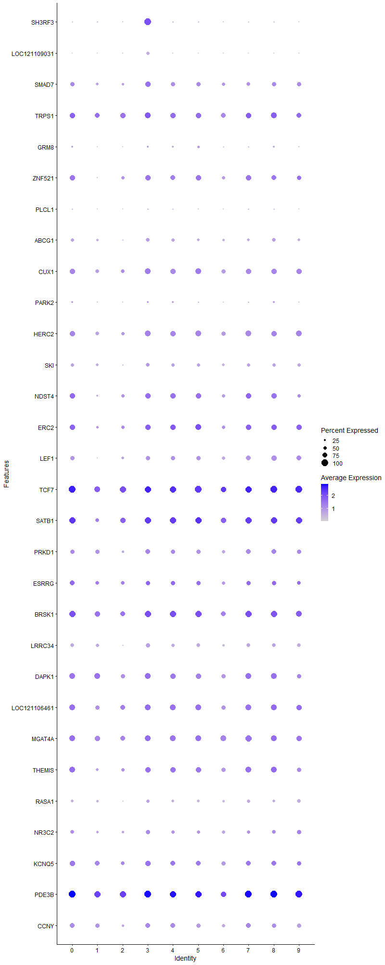
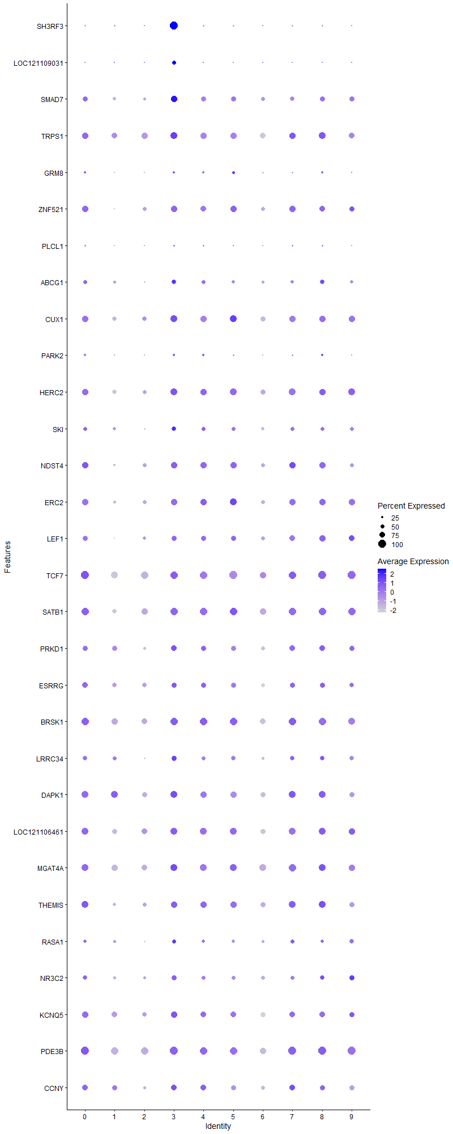
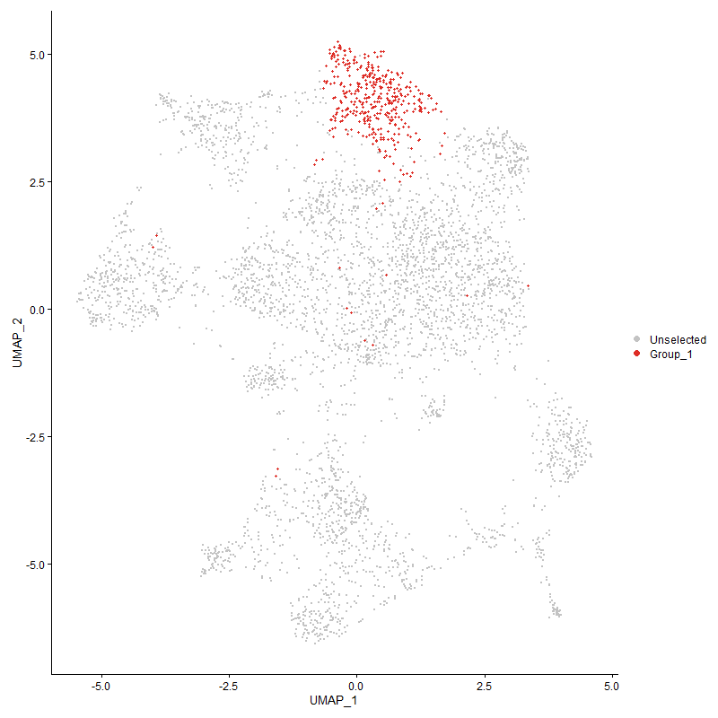
 | p_val | avg_log2FC | pct.1 | pct.2 | p_val_adj | cluster | gene
SH3RF3 | 0 | 2.309614056 | 1 | 0.184 | 0 | 3 | SH3RF3
LOC121109031 | 9.9688334965E-169 | 0.76156473361 | 0.506 | 0.067 | 1.5223405632E-164 | 3 | LOC121109031
SMAD7 | 2.1553830546E-38 | 0.70877925051 | 0.84 | 0.565 | 3.2914854626E-34 | 3 | SMAD7
TRPS1 | 1.3124661669E-10 | 0.39024985321 | 0.887 | 0.803 | 2.0042670834E-06 | 3 | TRPS1
GRM81 | 1.1546345883E-05 | 0.36747319903 | 0.297 | 0.211 | 0.17632424798 | 3 | GRM8
ZNF5211 | 1.4959721746E-12 | 0.36583602605 | 0.781 | 0.614 | 2.2844991078E-08 | 3 | ZNF521
PLCL1 | 3.8881223001E-07 | 0.34807434326 | 0.241 | 0.15 | 0.0059375515645 | 3 | PLCL1
ABCG1 | 2.8340202874E-12 | 0.34002095238 | 0.612 | 0.443 | 4.3278323809E-08 | 3 | ABCG1
CUX1 | 2.3884932929E-12 | 0.33063471431 | 0.867 | 0.743 | 3.6474681076E-08 | 3 | CUX1
PARK2 | 3.1316927134E-05 | 0.31814071064 | 0.295 | 0.21 | 0.47824079427 | 3 | PARK2
HERC2 | 6.6844439551E-13 | 0.31521779076 | 0.86 | 0.73 | 1.0207814364E-08 | 3 | HERC2
SKI | 3.3019558202E-09 | 0.31185278871 | 0.609 | 0.464 | 5.042416733E-05 | 3 | SKI
NDST41 | 5.3554553181E-10 | 0.31034060454 | 0.816 | 0.657 | 8.1783158163E-06 | 3 | NDST4
ERC21 | 1.0472269725E-06 | 0.30637043948 | 0.806 | 0.68 | 0.015992203097 | 3 | ERC2
LEF11 | 1.9632403182E-09 | 0.30152871201 | 0.695 | 0.55 | 2.9980642899E-05 | 3 | LEF1
TCF71 | 1.9084434374E-15 | 0.29748355078 | 0.998 | 0.953 | 2.9143839733E-11 | 3 | TCF7
SATB11 | 3.2073137675E-12 | 0.29549286203 | 0.98 | 0.882 | 4.8978888543E-08 | 3 | SATB1
PRKD1 | 1.0427090209E-07 | 0.29454975327 | 0.74 | 0.613 | 0.0015923209458 | 3 | PRKD1
ESRRG | 0.00057499826475 | 0.28594404149 | 0.686 | 0.634 | 1 | 3 | ESRRG
BRSK11 | 5.2731071581E-11 | 0.2831727006 | 0.968 | 0.888 | 8.0525619411E-07 | 3 | BRSK1
LRRC34 | 5.217699283E-13 | 0.27958189425 | 0.688 | 0.511 | 7.9679485751E-09 | 3 | LRRC34
DAPK1 | 3.5187715574E-09 | 0.27925879933 | 0.885 | 0.813 | 5.3735160452E-05 | 3 | DAPK1
LOC1211064611 | 9.151868046E-10 | 0.27703086574 | 0.919 | 0.804 | 1.3975817693E-05 | 3 | LOC121106461
MGAT4A | 2.2587469094E-06 | 0.2752515273 | 0.899 | 0.863 | 0.034493324053 | 3 | MGAT4A
THEMIS1 | 2.7460727226E-08 | 0.27513708455 | 0.835 | 0.716 | 0.00041935276547 | 3 | THEMIS
RASA1 | 1.2415733684E-06 | 0.27095009102 | 0.506 | 0.399 | 0.018960066908 | 3 | RASA1
NR3C21 | 6.1048826899E-08 | 0.26798261028 | 0.651 | 0.506 | 0.00093227663557 | 3 | NR3C2
KCNQ5 | 0.00096875854718 | 0.25870914632 | 0.774 | 0.741 | 1 | 3 | KCNQ5
PDE3B1 | 1.2087488327E-11 | 0.25788606281 | 1 | 0.971 | 1.8458803424E-07 | 3 | PDE3B
CCNY | 8.7884063408E-07 | 0.25461932644 | 0.73 | 0.647 | 0.013420775323 | 3 | CCNY

Cluster4
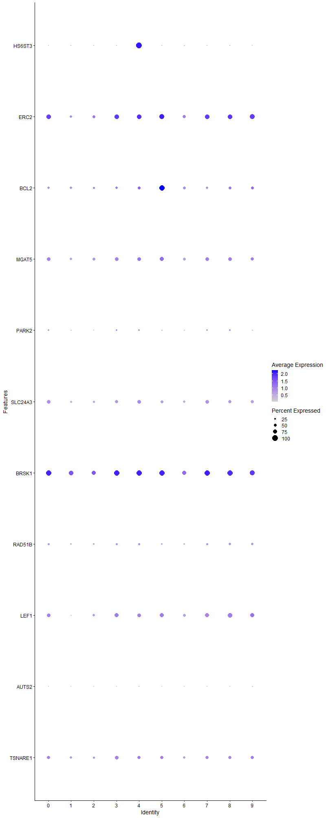
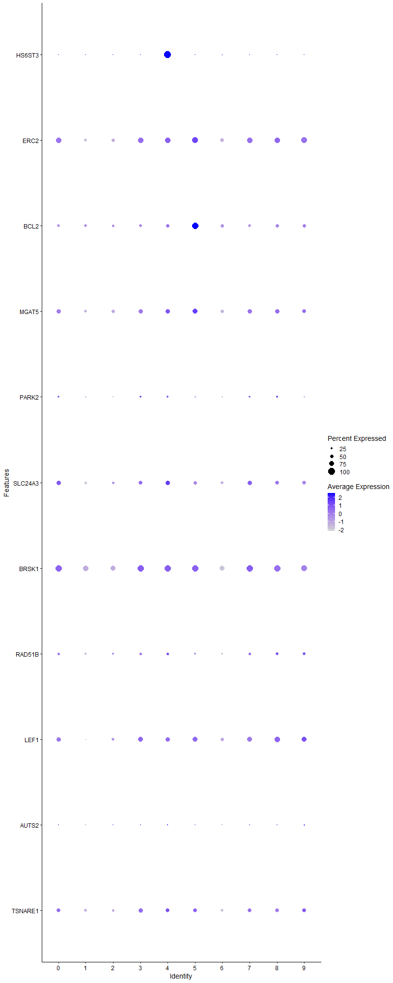
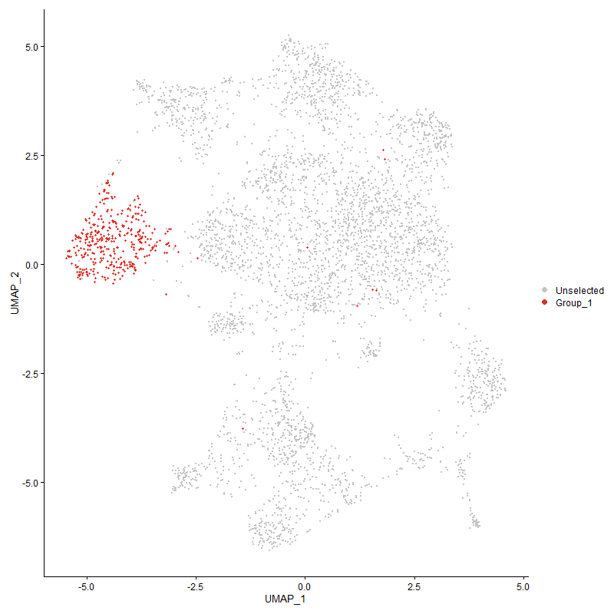
 | p_val | avg_log2FC | pct.1 | pct.2 | p_val_adj | cluster | gene
HS6ST3 | 0 | 2.7608916619 | 1 | 0.094 | 0 | 4 | HS6ST3
ERC22 | 2.3634965234E-13 | 0.45057443924 | 0.802 | 0.681 | 3.6092955408E-09 | 4 | ERC2
BCL2 | 0.00012060493053 | 0.36728702453 | 0.53 | 0.447 | 1 | 4 | BCL2
MGAT5 | 1.3271097859E-06 | 0.35905107774 | 0.675 | 0.577 | 0.020266293541 | 4 | MGAT5
PARK21 | 0.00028729375013 | 0.31635387224 | 0.288 | 0.211 | 1 | 4 | PARK2
SLC24A31 | 1.1183239631E-09 | 0.31629558742 | 0.639 | 0.505 | 1.7077925241E-05 | 4 | SLC24A3
BRSK12 | 9.9140052718E-08 | 0.2768314829 | 0.945 | 0.89 | 0.0015139677451 | 4 | BRSK1
RAD51B | 0.0012578041534 | 0.27283422097 | 0.359 | 0.29 | 1 | 4 | RAD51B
LEF12 | 3.6917983986E-08 | 0.26606799726 | 0.678 | 0.553 | 0.00056377453345 | 4 | LEF1
AUTS2 | 1.3884680008E-07 | 0.26406143282 | 0.111 | 0.048 | 0.0021203294841 | 4 | AUTS2
TSNARE1 | 0.0001167413543 | 0.2544531902 | 0.604 | 0.519 | 1 | 4 | TSNARE1

Cluster5
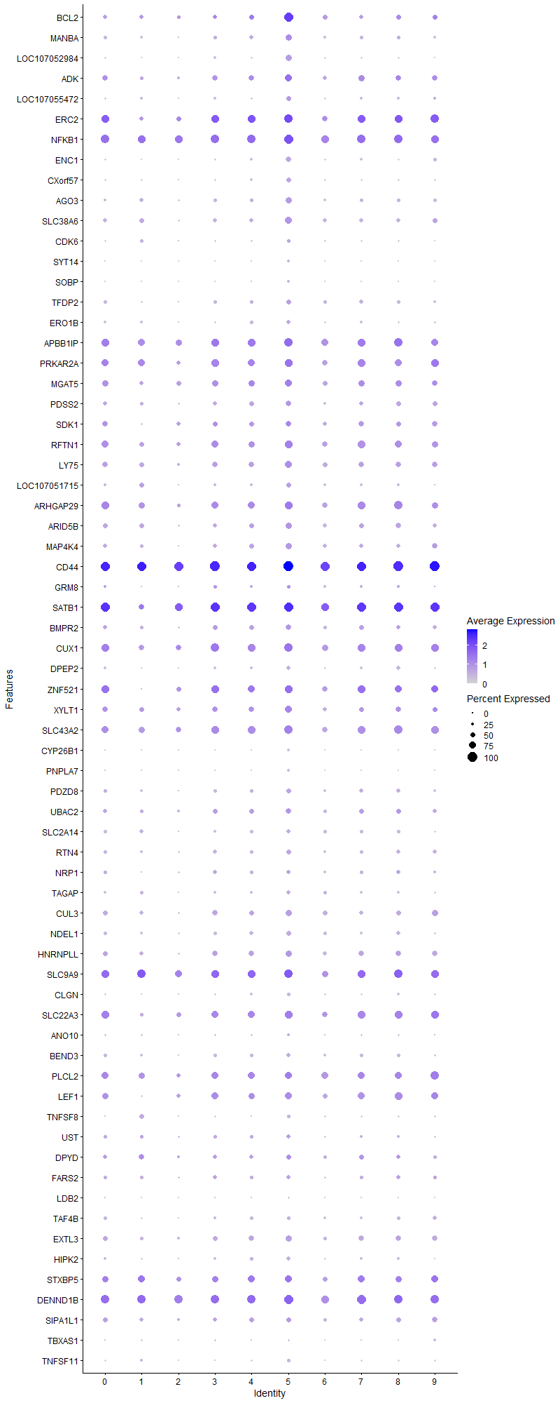
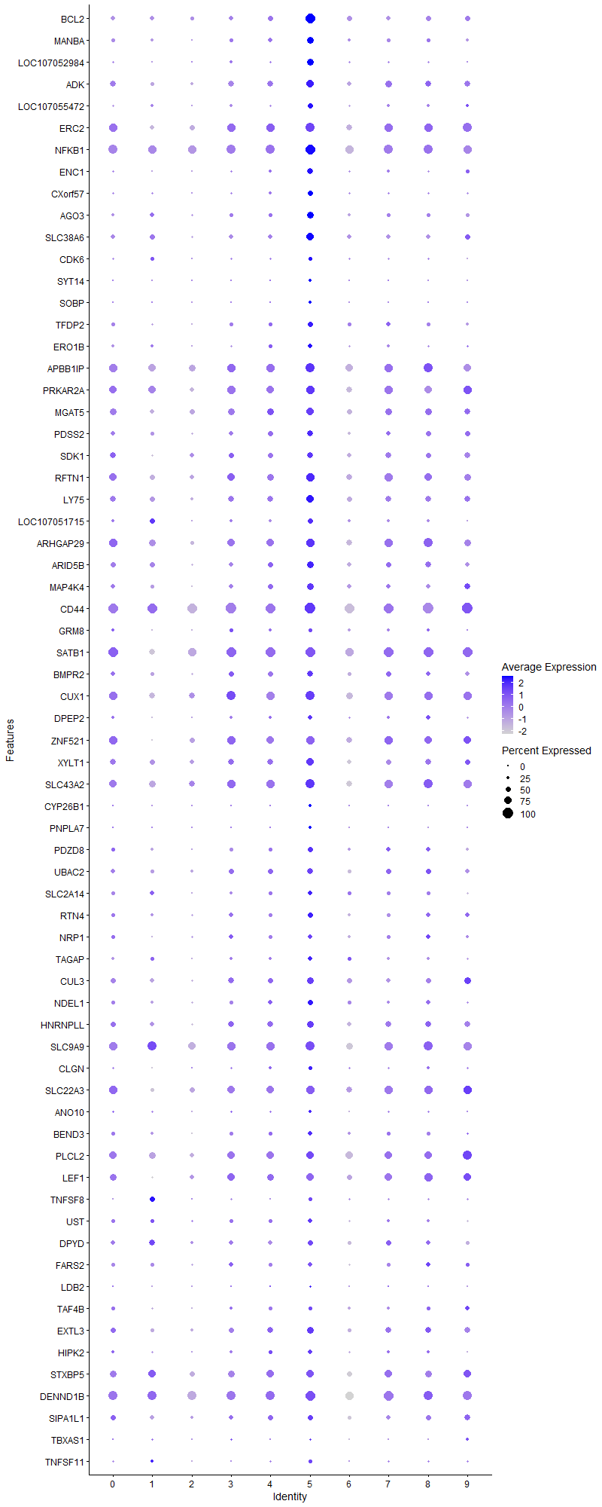
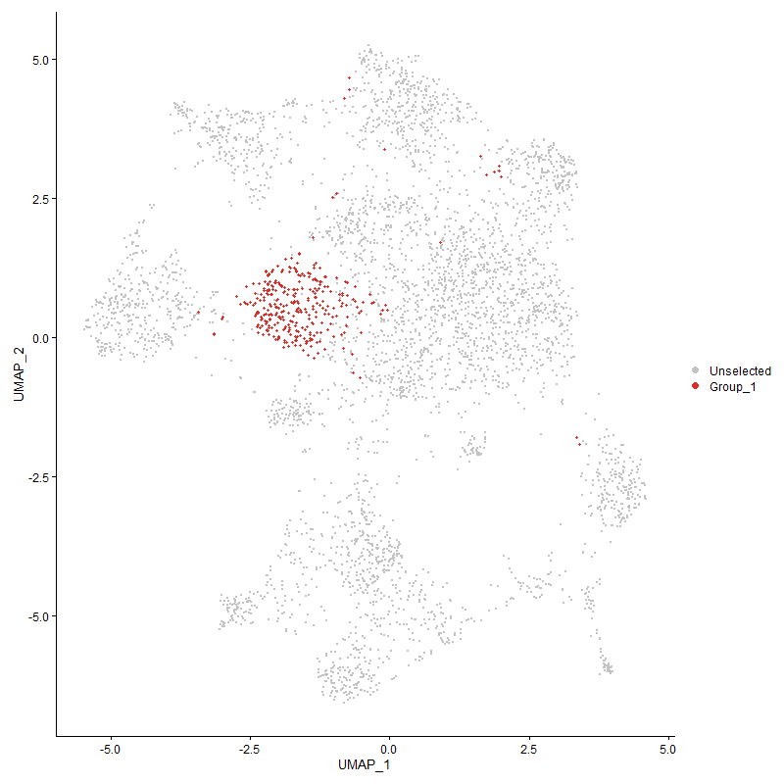
 | p_val | avg_log2FC | pct.1 | pct.2 | p_val_adj | cluster | gene
BCL21 | 3.8279838296E-135 | 1.8564713853 | 0.926 | 0.417 | 5.8457141061E-131 | 5 | BCL2
MANBA | 3.4582101875E-61 | 0.94982445052 | 0.684 | 0.284 | 5.2810327773E-57 | 5 | MANBA
LOC107052984 | 3.0982449695E-119 | 0.92002385809 | 0.622 | 0.137 | 4.731329893E-115 | 5 | LOC107052984
ADK | 8.8399336779E-36 | 0.85546137461 | 0.765 | 0.478 | 1.349946272E-31 | 5 | ADK
LOC107055472 | 3.3653276051E-37 | 0.73652579954 | 0.498 | 0.214 | 5.1391917857E-33 | 5 | LOC107055472
ERC23 | 1.7138231744E-24 | 0.68645087841 | 0.898 | 0.676 | 2.6171793696E-20 | 5 | ERC2
NFKB1 | 1.9806187622E-31 | 0.65817909686 | 0.975 | 0.856 | 3.0246029118E-27 | 5 | NFKB1
ENC1 | 3.4072769114E-69 | 0.65734491931 | 0.542 | 0.158 | 5.2032525714E-65 | 5 | ENC1
CXorf57 | 4.8309304064E-41 | 0.6434819677 | 0.474 | 0.181 | 7.3773138235E-37 | 5 | CXorf57
AGO3 | 2.9878678956E-34 | 0.63377180324 | 0.619 | 0.315 | 4.5627730634E-30 | 5 | AGO3
SLC38A6 | 2.6913677175E-36 | 0.6072066663 | 0.706 | 0.386 | 4.1099876414E-32 | 5 | SLC38A6
CDK61 | 4.9679637716E-16 | 0.53795441886 | 0.359 | 0.186 | 7.5865774757E-12 | 5 | CDK6
SYT14 | 1.5915320575E-51 | 0.53701432401 | 0.248 | 0.044 | 2.430428605E-47 | 5 | SYT14
SOBP | 1.9608047231E-42 | 0.51741899327 | 0.282 | 0.066 | 2.9943448926E-38 | 5 | SOBP
TFDP2 | 1.682017853E-23 | 0.51007210396 | 0.529 | 0.296 | 2.5686094633E-19 | 5 | TFDP2
ERO1B | 1.2047365718E-18 | 0.50045020852 | 0.421 | 0.221 | 1.8397532188E-14 | 5 | ERO1B
APBB1IP | 1.9460418605E-19 | 0.49203548746 | 0.892 | 0.76 | 2.9718005252E-15 | 5 | APBB1IP
PRKAR2A | 1.2137716295E-17 | 0.47416328536 | 0.83 | 0.711 | 1.8535506555E-13 | 5 | PRKAR2A
MGAT51 | 1.1651947779E-12 | 0.47249071801 | 0.706 | 0.575 | 1.7793689454E-08 | 5 | MGAT5
PDSS2 | 1.2912418712E-15 | 0.46945544593 | 0.582 | 0.383 | 1.9718554616E-11 | 5 | PDSS2
SDK11 | 1.8295044556E-11 | 0.4670582666 | 0.594 | 0.439 | 2.7938362542E-07 | 5 | SDK1
RFTN1 | 2.7944584611E-15 | 0.46264539057 | 0.793 | 0.624 | 4.267417516E-11 | 5 | RFTN1
LY75 | 8.9655564066E-21 | 0.45418344154 | 0.752 | 0.528 | 1.3691301188E-16 | 5 | LY75
LOC1070517151 | 4.0623046673E-14 | 0.4382909313 | 0.464 | 0.281 | 6.2035454574E-10 | 5 | LOC107051715
ARHGAP29 | 3.9188020439E-17 | 0.43721244759 | 0.836 | 0.686 | 5.9844026013E-13 | 5 | ARHGAP29
ARID5B | 9.0610274655E-17 | 0.43492213275 | 0.647 | 0.437 | 1.3837095042E-12 | 5 | ARID5B
MAP4K4 | 4.129642696E-18 | 0.43418653297 | 0.625 | 0.384 | 6.306377361E-14 | 5 | MAP4K4
CD44 | 9.0974590071E-23 | 0.42716319367 | 1 | 0.992 | 1.389272965E-18 | 5 | CD44
GRM82 | 1.9689511111E-09 | 0.42608044833 | 0.35 | 0.209 | 3.0067852418E-05 | 5 | GRM8
SATB12 | 4.1033705171E-20 | 0.42018583589 | 0.994 | 0.883 | 6.2662571166E-16 | 5 | SATB1
BMPR2 | 4.1560733795E-11 | 0.41601147437 | 0.548 | 0.392 | 6.3467396579E-07 | 5 | BMPR2
CUX11 | 8.1868183436E-15 | 0.40161617802 | 0.889 | 0.744 | 1.2502090292E-10 | 5 | CUX1
DPEP2 | 1.9275567036E-19 | 0.3964418369 | 0.399 | 0.189 | 2.943571842E-15 | 5 | DPEP2
ZNF5212 | 4.6203240777E-15 | 0.39324874989 | 0.833 | 0.614 | 7.0556968991E-11 | 5 | ZNF521
XYLT1 | 7.2003198102E-15 | 0.39146660535 | 0.724 | 0.523 | 1.0995608382E-10 | 5 | XYLT1
SLC43A2 | 4.4493465296E-16 | 0.37556704792 | 0.867 | 0.719 | 6.7945970853E-12 | 5 | SLC43A2
CYP26B1 | 1.0355907186E-58 | 0.3751768187 | 0.272 | 0.047 | 1.5814505864E-54 | 5 | CYP26B1
PNPLA7 | 2.6355444327E-22 | 0.37409527766 | 0.251 | 0.088 | 4.0247399032E-18 | 5 | PNPLA7
PDZD8 | 2.7295171283E-15 | 0.37346410585 | 0.502 | 0.308 | 4.1682456066E-11 | 5 | PDZD8
UBAC2 | 8.7216002855E-08 | 0.36837198211 | 0.533 | 0.415 | 0.0013318755796 | 5 | UBAC2
SLC2A14 | 7.6389439286E-10 | 0.36621981662 | 0.446 | 0.308 | 1.1665431273E-05 | 5 | SLC2A14
RTN4 | 2.2535911856E-11 | 0.34252054545 | 0.498 | 0.323 | 3.4414590995E-07 | 5 | RTN4
NRP1 | 2.5634199401E-07 | 0.34132125521 | 0.409 | 0.283 | 0.0039145985905 | 5 | NRP1
TAGAP | 1.2903487814E-09 | 0.34022365594 | 0.399 | 0.257 | 1.970491624E-05 | 5 | TAGAP
CUL3 | 4.0773765369E-12 | 0.33949387654 | 0.628 | 0.445 | 6.2265617094E-08 | 5 | CUL3
NDEL1 | 1.0961756543E-16 | 0.33376810558 | 0.508 | 0.297 | 1.6739698418E-12 | 5 | NDEL1
HNRNPLL | 1.2162075618E-10 | 0.33331798414 | 0.632 | 0.476 | 1.8572705676E-06 | 5 | HNRNPLL
SLC9A91 | 3.3059975065E-10 | 0.3322560639 | 0.901 | 0.806 | 5.0485887922E-06 | 5 | SLC9A9
CLGN | 4.1984694347E-21 | 0.32945554325 | 0.372 | 0.162 | 6.4114826738E-17 | 5 | CLGN
SLC22A31 | 1.6665548995E-10 | 0.32497747055 | 0.796 | 0.644 | 2.5449959871E-06 | 5 | SLC22A3
ANO10 | 1.7337970915E-05 | 0.32008198495 | 0.263 | 0.171 | 0.26476815384 | 5 | ANO10
BEND3 | 1.0506057571E-12 | 0.31433529995 | 0.449 | 0.277 | 1.6043800516E-08 | 5 | BEND3
PLCL2 | 3.0493190037E-07 | 0.31232958978 | 0.746 | 0.666 | 0.0046566150505 | 5 | PLCL2
LEF13 | 4.6868301092E-08 | 0.29199551911 | 0.697 | 0.553 | 0.00071572582597 | 5 | LEF1
TNFSF81 | 1.9172893602E-13 | 0.28979662364 | 0.365 | 0.198 | 2.927892582E-09 | 5 | TNFSF8
UST | 2.6761231253E-06 | 0.28951159053 | 0.427 | 0.3 | 0.040867076246 | 5 | UST
DPYD1 | 0.00046377451122 | 0.27674519537 | 0.498 | 0.433 | 1 | 5 | DPYD
FARS2 | 0.00024320788801 | 0.27148654978 | 0.396 | 0.322 | 1 | 5 | FARS2
LDB2 | 2.0568847633E-10 | 0.26717696092 | 0.158 | 0.064 | 3.141068722E-06 | 5 | LDB2
TAF4B | 3.6596694995E-05 | 0.26570120338 | 0.341 | 0.249 | 0.55886812927 | 5 | TAF4B
EXTL3 | 1.5493951744E-08 | 0.26381881636 | 0.616 | 0.456 | 0.00023660813709 | 5 | EXTL3
HIPK2 | 2.2470481836E-11 | 0.2630133015 | 0.396 | 0.227 | 3.4314672812E-07 | 5 | HIPK2
STXBP5 | 1.9885547692E-05 | 0.26185741328 | 0.759 | 0.657 | 0.30367219881 | 5 | STXBP5
DENND1B | 4.1009470291E-08 | 0.2592405488 | 0.923 | 0.897 | 0.00062625562082 | 5 | DENND1B
SIPA1L1 | 5.1962142628E-05 | 0.2578190806 | 0.526 | 0.438 | 0.79351388008 | 5 | SIPA1L1
TBXAS1 | 2.1435868154E-06 | 0.25347894374 | 0.214 | 0.124 | 0.032734714258 | 5 | TBXAS1
TNFSF111 | 3.033020317E-11 | 0.2529527282 | 0.3 | 0.161 | 4.6317253261E-07 | 5 | TNFSF11

Cluster6
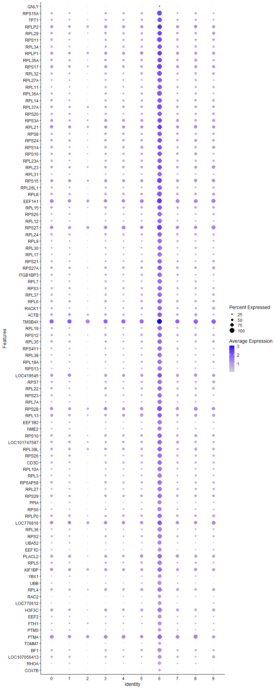
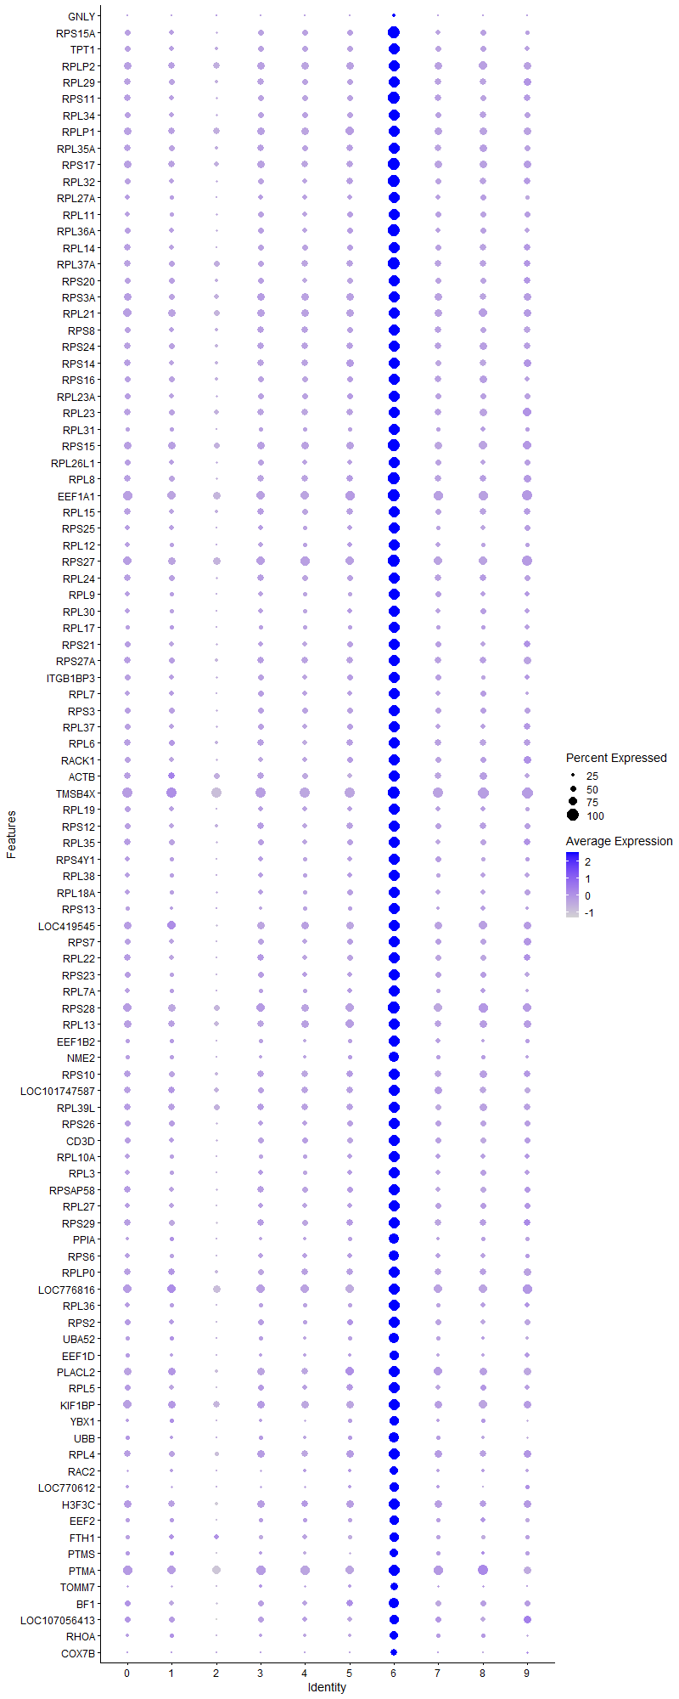
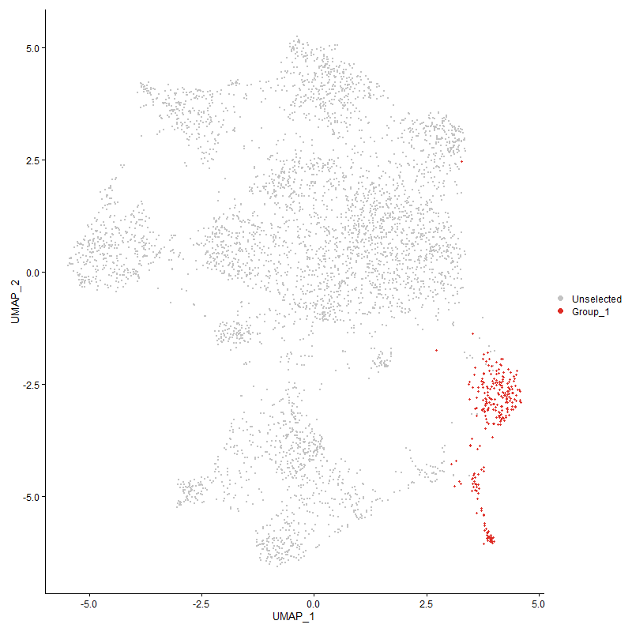
 | p_val | avg_log2FC | pct.1 | pct.2 | p_val_adj | cluster | gene
GNLY | 2.8270539659E-26 | 3.5263813855 | 0.255 | 0.076 | 4.3171941114E-22 | 6 | GNLY
RPS15A | 3.0400140659E-168 | 2.2812785182 | 1 | 0.466 | 4.64240548E-164 | 6 | RPS15A
TPT1 | 1.2018866685E-161 | 2.2752006339 | 0.992 | 0.468 | 1.8354011315E-157 | 6 | TPT1
RPLP2 | 1.4779589196E-152 | 2.2591228504 | 0.996 | 0.652 | 2.2569910661E-148 | 6 | RPLP2
RPL29 | 1.530225638E-153 | 2.2349774854 | 0.988 | 0.521 | 2.3368075718E-149 | 6 | RPL29
RPS11 | 4.0781523248E-165 | 2.2028011274 | 1 | 0.494 | 6.2277464153E-161 | 6 | RPS11
RPL34 | 3.1586417084E-164 | 2.141910621 | 0.996 | 0.476 | 4.823561753E-160 | 6 | RPL34
RPLP1 | 3.7592086967E-144 | 2.1363780343 | 0.996 | 0.655 | 5.7406876007E-140 | 6 | RPLP1
RPL35A | 2.0344671823E-154 | 2.0875457131 | 0.996 | 0.54 | 3.1068348342E-150 | 6 | RPL35A
RPS17 | 1.4844561745E-152 | 2.0593349108 | 1 | 0.603 | 2.266913024E-148 | 6 | RPS17
RPL32 | 1.2031831048E-154 | 2.0493192004 | 1 | 0.483 | 1.8373809193E-150 | 6 | RPL32
RPL27A | 1.0324287244E-158 | 2.0366629993 | 0.977 | 0.407 | 1.576621905E-154 | 6 | RPL27A
RPL11 | 6.4909514557E-162 | 2.0192535848 | 0.988 | 0.421 | 9.912331968E-158 | 6 | RPL11
RPL36A | 3.829097324E-160 | 2.0086512125 | 1 | 0.448 | 5.8474145234E-156 | 6 | RPL36A
RPL14 | 3.2743211843E-151 | 1.9693322138 | 0.992 | 0.481 | 5.0002158805E-147 | 6 | RPL14
RPL37A | 4.9216791449E-152 | 1.9569055953 | 1 | 0.55 | 7.5158962222E-148 | 6 | RPL37A
RPS20 | 6.3744582735E-147 | 1.9554611705 | 0.988 | 0.478 | 9.7344352295E-143 | 6 | RPS20
RPS3A | 6.2602121768E-144 | 1.9295333635 | 0.996 | 0.604 | 9.5599700151E-140 | 6 | RPS3A
RPL21 | 3.978715186E-142 | 1.9270029584 | 0.996 | 0.672 | 6.0758959606E-138 | 6 | RPL21
RPS8 | 5.7572930846E-144 | 1.9246506975 | 0.985 | 0.504 | 8.7919622696E-140 | 6 | RPS8
RPS24 | 2.9375279413E-137 | 1.9238435816 | 0.981 | 0.551 | 4.4858989192E-133 | 6 | RPS24
RPS14 | 3.2094573549E-150 | 1.9131476821 | 0.988 | 0.531 | 4.9011623267E-146 | 6 | RPS14
RPS16 | 5.4815049011E-150 | 1.8963927872 | 0.996 | 0.504 | 8.3708061345E-146 | 6 | RPS16
RPL23A | 4.1054501847E-155 | 1.8866344445 | 0.996 | 0.484 | 6.2694329771E-151 | 6 | RPL23A
RPL23 | 3.9445294536E-145 | 1.8834443518 | 0.992 | 0.58 | 6.0236909286E-141 | 6 | RPL23
RPL31 | 5.8218250775E-174 | 1.8722451271 | 0.988 | 0.341 | 8.8905090758E-170 | 6 | RPL31
RPS15 | 6.0299221944E-141 | 1.8719286176 | 1 | 0.642 | 9.2082941831E-137 | 6 | RPS15
RPL26L1 | 1.9221217697E-155 | 1.8593199784 | 0.992 | 0.427 | 2.9352721545E-151 | 6 | RPL26L1
RPL8 | 1.5889028909E-145 | 1.8375595105 | 1 | 0.537 | 2.4264136046E-141 | 6 | RPL8
EEF1A1 | 6.9281334395E-142 | 1.8332132924 | 1 | 0.752 | 1.0579952575E-137 | 6 | EEF1A1
RPL15 | 3.5095688187E-140 | 1.8244028618 | 0.992 | 0.524 | 5.3594625431E-136 | 6 | RPL15
RPS25 | 1.2132860239E-146 | 1.7937581352 | 0.973 | 0.406 | 1.8528090872E-142 | 6 | RPS25
RPL12 | 9.5930991622E-154 | 1.7800932284 | 0.965 | 0.361 | 1.4649621731E-149 | 6 | RPL12
RPS27 | 7.8739546971E-142 | 1.7800266594 | 1 | 0.728 | 1.2024316218E-137 | 6 | RPS27
RPL24 | 2.4029024476E-139 | 1.7676738679 | 0.981 | 0.495 | 3.6694723278E-135 | 6 | RPL24
RPL9 | 2.0544404415E-141 | 1.7291571798 | 0.95 | 0.388 | 3.1373359983E-137 | 6 | RPL9
RPL30 | 2.5643152353E-147 | 1.7258800234 | 0.958 | 0.372 | 3.9159657958E-143 | 6 | RPL30
RPL17 | 1.4239390152E-146 | 1.7128514321 | 0.954 | 0.35 | 2.1744972701E-142 | 6 | RPL17
RPS21 | 7.9044831347E-141 | 1.7124339907 | 0.977 | 0.435 | 1.2070936195E-136 | 6 | RPS21
RPS27A | 1.1136491071E-130 | 1.7111478063 | 0.985 | 0.557 | 1.7006535514E-126 | 6 | RPS27A
ITGB1BP3 | 6.9681505723E-132 | 1.6726078784 | 0.961 | 0.429 | 1.0641062739E-127 | 6 | ITGB1BP3
RPL7 | 5.0810736165E-141 | 1.668745231 | 0.973 | 0.412 | 7.7593075198E-137 | 6 | RPL7
RPS3 | 1.6123355152E-140 | 1.664789676 | 0.981 | 0.476 | 2.4621975652E-136 | 6 | RPS3
RPL37 | 1.1396337898E-140 | 1.656962729 | 0.985 | 0.446 | 1.7403347604E-136 | 6 | RPL37
RPL6 | 2.1302213669E-125 | 1.6557236 | 0.981 | 0.521 | 3.2530610494E-121 | 6 | RPL6
RACK1 | 3.1002918484E-135 | 1.6551299161 | 0.969 | 0.45 | 4.7344556816E-131 | 6 | RACK1
ACTB1 | 1.5900399926E-93 | 1.65441638 | 0.954 | 0.558 | 2.4281500727E-89 | 6 | ACTB
TMSB4X | 4.7714401121E-122 | 1.6448391856 | 1 | 0.898 | 7.2864661952E-118 | 6 | TMSB4X
RPL19 | 2.4000816368E-134 | 1.6418858537 | 0.969 | 0.416 | 3.6651646676E-130 | 6 | RPL19
RPS12 | 2.5007995996E-126 | 1.6396369311 | 0.958 | 0.487 | 3.8189710685E-122 | 6 | RPS12
RPL35 | 1.5730575359E-130 | 1.6294737952 | 0.973 | 0.476 | 2.4022161631E-126 | 6 | RPL35
RPS4Y1 | 1.2741134891E-138 | 1.6155855496 | 0.95 | 0.391 | 1.9456987092E-134 | 6 | RPS4Y1
RPL38 | 4.1994380407E-145 | 1.6099184545 | 0.969 | 0.374 | 6.412961832E-141 | 6 | RPL38
RPL18A | 1.0386006438E-136 | 1.5829934184 | 0.961 | 0.402 | 1.5860470432E-132 | 6 | RPL18A
RPS13 | 6.5798244493E-149 | 1.5798957326 | 0.942 | 0.315 | 1.0048049916E-144 | 6 | RPS13
LOC419545 | 5.2176891944E-83 | 1.5556839786 | 0.961 | 0.632 | 7.9679331688E-79 | 6 | LOC419545
RPS7 | 4.6908188194E-133 | 1.54480243 | 0.977 | 0.449 | 7.1633494191E-129 | 6 | RPS7
RPL22 | 3.8388120844E-131 | 1.5445736257 | 0.977 | 0.47 | 5.8622499341E-127 | 6 | RPL22
RPS23 | 3.9696682391E-130 | 1.5444536705 | 0.969 | 0.42 | 6.062080368E-126 | 6 | RPS23
RPL7A | 4.1713318075E-135 | 1.5334280251 | 0.946 | 0.375 | 6.3700408032E-131 | 6 | RPL7A
RPS28 | 3.1550323432E-126 | 1.5306779698 | 1 | 0.696 | 4.8180498912E-122 | 6 | RPS28
RPL13 | 7.3041864909E-117 | 1.5152039931 | 0.992 | 0.617 | 1.115422319E-112 | 6 | RPL13
EEF1B2 | 2.4905463646E-136 | 1.5150975108 | 0.931 | 0.336 | 3.8033133533E-132 | 6 | EEF1B2
NME2 | 2.7017246997E-141 | 1.508455769 | 0.907 | 0.31 | 4.1258037889E-137 | 6 | NME2
RPS10 | 2.4851397607E-122 | 1.5070095498 | 0.985 | 0.559 | 3.7950569286E-118 | 6 | RPS10
LOC101747587 | 6.0514181082E-109 | 1.4910084613 | 0.977 | 0.561 | 9.241120593E-105 | 6 | LOC101747587
RPL39L | 3.0446140607E-108 | 1.4867999274 | 0.992 | 0.584 | 4.6494301322E-104 | 6 | RPL39L
RPS26 | 3.8297260609E-107 | 1.4834494639 | 0.973 | 0.467 | 5.8483746675E-103 | 6 | RPS26
CD3D | 8.9472965348E-109 | 1.4822768899 | 0.934 | 0.472 | 1.3663416538E-104 | 6 | CD3D
RPL10A | 1.5505899181E-131 | 1.4802598641 | 0.942 | 0.377 | 2.367905864E-127 | 6 | RPL10A
RPL3 | 6.8498215444E-123 | 1.4305024141 | 0.95 | 0.386 | 1.046036248E-118 | 6 | RPL3
RPSAP58 | 6.4650001803E-118 | 1.413148067 | 0.988 | 0.491 | 9.8727017753E-114 | 6 | RPSAP58
RPL27 | 9.2543715785E-115 | 1.3938451263 | 0.934 | 0.418 | 1.4132350837E-110 | 6 | RPL27
RPS29 | 2.4181682953E-102 | 1.3481607523 | 0.985 | 0.537 | 3.6927848037E-98 | 6 | RPS29
PPIA | 1.0583834399E-106 | 1.3404369668 | 0.849 | 0.297 | 1.6162573511E-102 | 6 | PPIA
RPS6 | 2.96791871E-116 | 1.3336902749 | 0.919 | 0.379 | 4.5323086621E-112 | 6 | RPS6
RPLP0 | 3.6026693772E-93 | 1.3326836503 | 0.954 | 0.548 | 5.501636406E-89 | 6 | RPLP0
LOC776816 | 3.0143417214E-93 | 1.3160087848 | 0.996 | 0.743 | 4.6032012427E-89 | 6 | LOC776816
RPL36 | 1.961908274E-132 | 1.3146598077 | 0.954 | 0.353 | 2.9960301253E-128 | 6 | RPL36
RPS2 | 7.9869485877E-107 | 1.3062902738 | 0.954 | 0.434 | 1.2196869188E-102 | 6 | RPS2
UBA52 | 1.0489161786E-116 | 1.2618820646 | 0.903 | 0.327 | 1.6017998963E-112 | 6 | UBA52
EEF1D | 1.1647998238E-108 | 1.2568270899 | 0.838 | 0.295 | 1.778765811E-104 | 6 | EEF1D
PLACL2 | 8.5240470605E-76 | 1.2533603061 | 0.973 | 0.644 | 1.3017072266E-71 | 6 | PLACL2
RPL5 | 1.266763631E-101 | 1.2175131991 | 0.95 | 0.448 | 1.9344747409E-97 | 6 | RPL5
KIF1BP | 4.0278638162E-68 | 1.1213028303 | 0.942 | 0.675 | 6.1509508337E-64 | 6 | KIF1BP
YBX1 | 4.8054427533E-93 | 1.1070788261 | 0.803 | 0.285 | 7.3383916286E-89 | 6 | YBX1
UBB | 1.7061637335E-100 | 1.0999836394 | 0.857 | 0.315 | 2.6054826374E-96 | 6 | UBB
RPL4 | 9.4836908045E-84 | 1.0970466074 | 0.973 | 0.563 | 1.4482544228E-79 | 6 | RPL4
RAC2 | 3.436497691E-79 | 1.0886282204 | 0.699 | 0.231 | 5.2478756239E-75 | 6 | RAC2
LOC770612 | 2.0717425548E-108 | 1.0793594962 | 0.776 | 0.222 | 3.1637580554E-104 | 6 | LOC770612
H3F3C | 7.4852636255E-71 | 1.0433658695 | 0.938 | 0.599 | 1.1430746083E-66 | 6 | H3F3C
EEF2 | 5.5460940859E-85 | 0.99983628785 | 0.842 | 0.351 | 8.4694402785E-81 | 6 | EEF2
FTH1 | 7.4332898604E-49 | 0.95431649238 | 0.788 | 0.4 | 1.1351376946E-44 | 6 | FTH1
PTMS | 2.9352459025E-60 | 0.9100492484 | 0.714 | 0.295 | 4.4824140177E-56 | 6 | PTMS
PTMA | 1.5563023058E-53 | 0.89625041851 | 0.981 | 0.771 | 2.3766292512E-49 | 6 | PTMA
TOMM7 | 2.4432005847E-80 | 0.88074895379 | 0.664 | 0.2 | 3.7310116128E-76 | 6 | TOMM7
BF1 | 7.1591187446E-59 | 0.86844374342 | 0.876 | 0.476 | 1.0932690235E-54 | 6 | BF1
LOC107056413 | 3.5502611083E-47 | 0.83015115232 | 0.819 | 0.458 | 5.4216037385E-43 | 6 | LOC107056413
RHOA | 1.5441031944E-68 | 0.82558714629 | 0.757 | 0.293 | 2.3579999882E-64 | 6 | RHOA
COX7B | 6.369822652E-117 | 0.8254427403 | 0.614 | 0.115 | 9.7273561719E-113 | 6 | COX7B
EIF1 | 8.0148231921E-60 | 0.81790466204 | 0.807 | 0.371 | 1.2239436497E-55 | 6 | EIF1
H3F3B | 8.7312772674E-47 | 0.792457046 | 0.931 | 0.687 | 1.3333533515E-42 | 6 | H3F3B
GPX1 | 7.9055769478E-71 | 0.78568139822 | 0.68 | 0.22 | 1.2072606557E-66 | 6 | GPX1
ARPC1B | 3.751375539E-67 | 0.77771539304 | 0.575 | 0.162 | 5.7287255857E-63 | 6 | ARPC1B
ZEB21 | 6.6662840642E-20 | 0.77471344641 | 0.162 | 0.04 | 1.0180082395E-15 | 6 | ZEB2
COX4I1 | 1.0080477215E-83 | 0.76166253503 | 0.664 | 0.182 | 1.5393896756E-79 | 6 | COX4I1
CRIP1 | 1.1872316611E-66 | 0.76016726295 | 0.529 | 0.137 | 1.8130214697E-62 | 6 | CRIP1
LOC100859737 | 1.2464336743E-44 | 0.74921571987 | 0.514 | 0.18 | 1.903428864E-40 | 6 | LOC100859737
URM1 | 5.3327801804E-107 | 0.74729247247 | 0.529 | 0.091 | 8.1436886134E-103 | 6 | URM1
ZNF593 | 4.3525647831E-76 | 0.74419886177 | 0.637 | 0.183 | 6.6468016802E-72 | 6 | ZNF593
PABPC1 | 3.0966692053E-45 | 0.74212091372 | 0.915 | 0.593 | 4.7289235435E-41 | 6 | PABPC1
CHCHD2 | 2.2419774035E-67 | 0.74000921088 | 0.637 | 0.203 | 3.4237236929E-63 | 6 | CHCHD2
MYL6 | 2.4843150613E-53 | 0.73808037024 | 0.703 | 0.285 | 3.7937975302E-49 | 6 | MYL6
GAPDH | 5.2347924538E-61 | 0.7376764221 | 0.56 | 0.164 | 7.9940515562E-57 | 6 | GAPDH
NPM1 | 3.9710143396E-41 | 0.72734034674 | 0.842 | 0.481 | 6.064135998E-37 | 6 | NPM1
ARPC4 | 2.4541402552E-58 | 0.71487099478 | 0.587 | 0.19 | 3.7477175837E-54 | 6 | ARPC4
SLC25A6 | 5.5520161158E-60 | 0.70728818775 | 0.587 | 0.185 | 8.4784838105E-56 | 6 | SLC25A6
EIF3K | 1.4098054959E-85 | 0.70692988817 | 0.517 | 0.108 | 2.1529139728E-81 | 6 | EIF3K
SH3BGRL3 | 7.2215971189E-49 | 0.70592136311 | 0.637 | 0.267 | 1.102810096E-44 | 6 | SH3BGRL3
COX5A | 2.1061010599E-96 | 0.70548969312 | 0.517 | 0.095 | 3.2162269286E-92 | 6 | COX5A
CALM2 | 8.5851410928E-44 | 0.69594425674 | 0.653 | 0.284 | 1.3110368963E-39 | 6 | CALM2
DSTN | 1.5235465007E-30 | 0.69162108058 | 0.857 | 0.624 | 2.3266078612E-26 | 6 | DSTN
ATP5D | 8.6404982567E-76 | 0.68835138847 | 0.548 | 0.132 | 1.3194904888E-71 | 6 | ATP5D
PNRC1 | 1.4428746673E-33 | 0.68782711331 | 0.834 | 0.563 | 2.2034139044E-29 | 6 | PNRC1
ARF6 | 3.5901728036E-54 | 0.68102545085 | 0.656 | 0.253 | 5.4825528884E-50 | 6 | ARF6
B2M | 6.4198122819E-68 | 0.67873209921 | 0.583 | 0.169 | 9.8036953357E-64 | 6 | B2M
BF2 | 2.5024931265E-40 | 0.67868570167 | 0.9 | 0.599 | 3.8215572534E-36 | 6 | BF2
CD3E | 2.6607987737E-42 | 0.67767591013 | 0.83 | 0.487 | 4.0633058074E-38 | 6 | CD3E
NSA2 | 3.9424907703E-60 | 0.67725373766 | 0.583 | 0.183 | 6.0205776554E-56 | 6 | NSA2
EEF1G | 6.1645577933E-40 | 0.67050336558 | 0.788 | 0.426 | 9.4138962062E-36 | 6 | EEF1G
BTG1 | 6.8484285774E-35 | 0.66700720359 | 0.961 | 0.795 | 1.0458235281E-30 | 6 | BTG1
ATP5L | 1.0224452417E-62 | 0.66634655745 | 0.517 | 0.139 | 1.5613761286E-58 | 6 | ATP5L
CALM1 | 9.057499211E-43 | 0.66503353634 | 0.784 | 0.399 | 1.3831707045E-38 | 6 | CALM1
SERBP1 | 2.154421551E-46 | 0.66246462308 | 0.788 | 0.394 | 3.2900171505E-42 | 6 | SERBP1
COX6C | 3.9650928244E-117 | 0.66080384215 | 0.552 | 0.088 | 6.0550932521E-113 | 6 | COX6C
GZMA | 6.1559781566E-62 | 0.65886832016 | 0.135 | 0.007 | 9.400794243E-58 | 6 | GZMA
EIF3E | 9.1829294076E-49 | 0.64823179153 | 0.653 | 0.264 | 1.4023251498E-44 | 6 | EIF3E
EIF3M | 3.464886642E-67 | 0.64810309283 | 0.622 | 0.186 | 5.2912283909E-63 | 6 | EIF3M
FKBP1A | 2.3539660402E-80 | 0.62140262917 | 0.301 | 0.036 | 3.5947415401E-76 | 6 | FKBP1A
COX7A2 | 1.7756143247E-70 | 0.6184790064 | 0.44 | 0.092 | 2.7115406353E-66 | 6 | COX7A2
IL2RG | 4.7501146062E-40 | 0.61424816569 | 0.676 | 0.316 | 7.2539000151E-36 | 6 | IL2RG
EIF3F | 2.9084454945E-69 | 0.61297015763 | 0.568 | 0.149 | 4.4414871146E-65 | 6 | EIF3F
HNRNPA1 | 7.7109046218E-43 | 0.61251226096 | 0.544 | 0.202 | 1.1775322448E-38 | 6 | HNRNPA1
PPIB | 2.4759466143E-54 | 0.60662498237 | 0.556 | 0.179 | 3.7810180748E-50 | 6 | PPIB
TAPBP | 1.0066576936E-55 | 0.59951245681 | 0.649 | 0.229 | 1.537266964E-51 | 6 | TAPBP
HMGN4 | 8.5895927803E-50 | 0.59237008974 | 0.541 | 0.172 | 1.3117167135E-45 | 6 | HMGN4
NACA | 3.2589356624E-52 | 0.59191805683 | 0.641 | 0.233 | 4.9767206501E-48 | 6 | NACA
OAZ1 | 7.9744999996E-38 | 0.58077428989 | 0.683 | 0.326 | 1.2177858949E-33 | 6 | OAZ1
COX7C | 6.5290867974E-96 | 0.57973400874 | 0.459 | 0.073 | 9.9705684482E-92 | 6 | COX7C
IER5 | 3.6105435005E-24 | 0.5763766055 | 0.571 | 0.322 | 5.5136609796E-20 | 6 | IER5
LOC107049545 | 4.3012770991E-64 | 0.57464167687 | 0.459 | 0.108 | 6.5684802581E-60 | 6 | LOC107049545
HMGB1 | 1.3431148651E-28 | 0.57402698849 | 0.73 | 0.42 | 2.0510707105E-24 | 6 | HMGB1
CYBA | 2.268936229E-42 | 0.57274354168 | 0.537 | 0.194 | 3.4648925153E-38 | 6 | CYBA
HSP90AA1 | 2.3651288864E-31 | 0.5696236021 | 0.656 | 0.307 | 3.6117883225E-27 | 6 | HSP90AA1
ARPC2 | 2.0615946688E-36 | 0.56848691433 | 0.598 | 0.261 | 3.1482612188E-32 | 6 | ARPC2
MYL12A | 1.8128100201E-63 | 0.5584354758 | 0.448 | 0.104 | 2.7683421816E-59 | 6 | MYL12A
TOMM20 | 7.7107296783E-44 | 0.55398627931 | 0.502 | 0.171 | 1.1775055292E-39 | 6 | TOMM20
STMN1 | 6.2580825228E-42 | 0.55102737998 | 0.409 | 0.121 | 9.5567178205E-38 | 6 | STMN1
ENO1 | 1.2132004883E-31 | 0.53299642735 | 0.568 | 0.253 | 1.8526784657E-27 | 6 | ENO1
LSP1P1 | 1.0726807981E-28 | 0.52938766744 | 0.575 | 0.27 | 1.6380908468E-24 | 6 | LSP1P1
TPI1 | 1.0124945439E-66 | 0.52637040415 | 0.405 | 0.08 | 1.5461804179E-62 | 6 | TPI1
ZNF706 | 4.8492542803E-35 | 0.52534525868 | 0.51 | 0.2 | 7.4052962115E-31 | 6 | ZNF706
EIF4A2 | 2.8171060983E-29 | 0.52478910398 | 0.799 | 0.493 | 4.3020027227E-25 | 6 | EIF4A2
JUND | 5.762511595E-22 | 0.52427229312 | 0.768 | 0.517 | 8.7999314568E-18 | 6 | JUND
COX8A | 4.1630503306E-34 | 0.52411807162 | 0.544 | 0.224 | 6.3573941599E-30 | 6 | COX8A
HSPA8 | 8.4853623857E-30 | 0.52215001548 | 0.467 | 0.187 | 1.2957996899E-25 | 6 | HSPA8
MYL12B | 1.2922200288E-48 | 0.51736924238 | 0.537 | 0.175 | 1.973349206E-44 | 6 | MYL12B
SERF2 | 1.5176403708E-32 | 0.51692454276 | 0.629 | 0.303 | 2.3175886102E-28 | 6 | SERF2
PLP2 | 1.2959102893E-72 | 0.51460727103 | 0.417 | 0.078 | 1.9789846028E-68 | 6 | PLP2
GNG5 | 6.7279142669E-53 | 0.51428965691 | 0.467 | 0.127 | 1.0274197877E-48 | 6 | GNG5
MIF | 6.8029405273E-58 | 0.50946729645 | 0.394 | 0.086 | 1.0388770479E-53 | 6 | MIF
ROMO1 | 3.1549462418E-50 | 0.50940607927 | 0.463 | 0.13 | 4.8179184058E-46 | 6 | ROMO1
SVBP | 1.1497348582E-48 | 0.50921836278 | 0.483 | 0.143 | 1.7557601019E-44 | 6 | SVBP
RNASEK | 4.6037765662E-56 | 0.50855705328 | 0.514 | 0.143 | 7.0304271942E-52 | 6 | RNASEK
PSMB5 | 1.9581080801E-40 | 0.50786949904 | 0.537 | 0.197 | 2.9902268492E-36 | 6 | PSMB5
ZFP36L1 | 1.6634595706E-23 | 0.50151794343 | 0.938 | 0.81 | 2.5402691103E-19 | 6 | ZFP36L1
SUMO3 | 3.902533219E-45 | 0.49793109197 | 0.483 | 0.149 | 5.9595584787E-41 | 6 | SUMO3
ATP5G3 | 7.5226186845E-41 | 0.49327271597 | 0.417 | 0.126 | 1.1487790993E-36 | 6 | ATP5G3
SAP18 | 1.0706784899E-38 | 0.49253432966 | 0.479 | 0.166 | 1.635033122E-34 | 6 | SAP18
C14orf2 | 3.201358656E-72 | 0.4924602884 | 0.359 | 0.058 | 4.8887948036E-68 | 6 | C14orf2
SUMO2 | 2.6234066207E-39 | 0.49048983815 | 0.587 | 0.228 | 4.0062042505E-35 | 6 | SUMO2
HN1 | 5.8246567693E-43 | 0.48794257784 | 0.421 | 0.12 | 8.8948333524E-39 | 6 | HN1
ANP32B | 3.5285334616E-34 | 0.48603125318 | 0.514 | 0.205 | 5.3884234492E-30 | 6 | ANP32B
MRPS21 | 1.6086174658E-46 | 0.48558260054 | 0.398 | 0.105 | 2.456519732E-42 | 6 | MRPS21
TSC22D4 | 1.6110807514E-20 | 0.48542661366 | 0.71 | 0.44 | 2.4602814155E-16 | 6 | TSC22D4
OST4 | 2.160593418E-38 | 0.48456705985 | 0.467 | 0.159 | 3.2994422087E-34 | 6 | OST4
GATD3AL1 | 2.980245622E-54 | 0.48142299809 | 0.347 | 0.072 | 4.5511330894E-50 | 6 | GATD3AL1
EIF5A2 | 1.7675302774E-37 | 0.48020142602 | 0.602 | 0.248 | 2.6991954867E-33 | 6 | EIF5A2
HDGF | 4.2965112587E-32 | 0.47546047937 | 0.463 | 0.177 | 6.5612023431E-28 | 6 | HDGF
ELOB | 6.6249692297E-66 | 0.47363445097 | 0.402 | 0.079 | 1.0116990511E-61 | 6 | ELOB
SELENOW | 1.875754385E-33 | 0.47219843247 | 0.475 | 0.18 | 2.8644645213E-29 | 6 | SELENOW
LOC124417242 | 6.7507132061E-70 | 0.47215604594 | 0.456 | 0.096 | 1.0309014137E-65 | 6 | LOC124417242
ATP5B | 1.9141304424E-42 | 0.47175353779 | 0.448 | 0.137 | 2.9230685986E-38 | 6 | ATP5B
SET | 2.7626118466E-28 | 0.4681435637 | 0.556 | 0.256 | 4.218784551E-24 | 6 | SET
RBM3 | 9.6944044779E-20 | 0.46515433555 | 0.459 | 0.233 | 1.4804325078E-15 | 6 | RBM3
HOPX | 8.6324651875E-21 | 0.46476829462 | 0.355 | 0.149 | 1.3182637588E-16 | 6 | HOPX
ATP5G2 | 6.4877527247E-53 | 0.46463192437 | 0.436 | 0.111 | 9.9074471859E-49 | 6 | ATP5G2
COX6A1 | 5.2730074442E-34 | 0.46390806791 | 0.498 | 0.193 | 8.0524096681E-30 | 6 | COX6A1
PRDX1 | 3.6744317357E-21 | 0.46243570278 | 0.332 | 0.132 | 5.6112247036E-17 | 6 | PRDX1
LOC124417243 | 4.6581006647E-50 | 0.46166077883 | 0.452 | 0.123 | 7.1133855251E-46 | 6 | LOC124417243
ATP5J | 4.0852729915E-64 | 0.46043515848 | 0.378 | 0.072 | 6.2386203853E-60 | 6 | ATP5J
GZMM | 1.6591506696E-62 | 0.45967811859 | 0.22 | 0.024 | 2.5336889875E-58 | 6 | GZMM
EIF3H | 2.9151350425E-23 | 0.4577954612 | 0.668 | 0.362 | 4.4517027234E-19 | 6 | EIF3H
DBI | 1.0886352378E-81 | 0.45515869976 | 0.313 | 0.038 | 1.6624548717E-77 | 6 | DBI
TARP | 2.7647331115E-05 | 0.45383420824 | 0.154 | 0.085 | 0.42220239346 | 6 | TARP
UQCC3 | 1.2400466395E-25 | 0.44823059069 | 0.467 | 0.204 | 1.8936752231E-21 | 6 | UQCC3
SHFM1 | 2.3064054568E-43 | 0.44544370099 | 0.394 | 0.107 | 3.5221117731E-39 | 6 | SHFM1
ATP5O | 3.0742714308E-52 | 0.44216707985 | 0.402 | 0.095 | 4.6947199019E-48 | 6 | ATP5O
C12orf75 | 3.6820115905E-24 | 0.43925216938 | 0.402 | 0.162 | 5.6227998999E-20 | 6 | C12orf75
ATPIF1 | 2.0420251664E-40 | 0.43902456332 | 0.429 | 0.131 | 3.1183766317E-36 | 6 | ATPIF1
H2AZ2 | 2.5506173741E-36 | 0.43541309971 | 0.375 | 0.111 | 3.895047792E-32 | 6 | H2AZ2
POLD4 | 5.0667114064E-26 | 0.43423406085 | 0.556 | 0.266 | 7.7373749887E-22 | 6 | POLD4
LOC107052389 | 1.7397968635E-42 | 0.43204771529 | 0.398 | 0.111 | 2.6568437903E-38 | 6 | LOC107052389
LOC429682 | 3.4290639656E-22 | 0.42639278901 | 0.525 | 0.262 | 5.2365235818E-18 | 6 | LOC429682
HSPE1 | 1.7499524889E-58 | 0.42464629731 | 0.274 | 0.041 | 2.6723524458E-54 | 6 | HSPE1
ATP5J2 | 4.4794932343E-58 | 0.42323849359 | 0.371 | 0.076 | 6.8406341181E-54 | 6 | ATP5J2
ZNRF1 | 1.5327631134E-32 | 0.42295594183 | 0.429 | 0.153 | 2.3406825505E-28 | 6 | ZNRF1
SEPTIN6 | 9.3827931246E-28 | 0.41356377024 | 0.525 | 0.234 | 1.4328463381E-23 | 6 | SEPTIN6
NCL | 1.9733008493E-20 | 0.41188714427 | 0.707 | 0.436 | 3.013427727E-16 | 6 | NCL
SPCS3 | 3.0300396351E-21 | 0.40946521639 | 0.548 | 0.284 | 4.6271735268E-17 | 6 | SPCS3
UBL5 | 1.2900688537E-34 | 0.40885734488 | 0.344 | 0.1 | 1.9700641465E-30 | 6 | UBL5
HNRNPAB | 1.9542522842E-21 | 0.40859852497 | 0.517 | 0.264 | 2.9843386632E-17 | 6 | HNRNPAB
ARHGDIB | 3.2228860826E-36 | 0.40838381838 | 0.413 | 0.132 | 4.9216693367E-32 | 6 | ARHGDIB
SKP1 | 3.1985826641E-36 | 0.40546663776 | 0.402 | 0.125 | 4.8845555863E-32 | 6 | SKP1
COTL1 | 6.344488868E-25 | 0.40449378424 | 0.506 | 0.226 | 9.6886689503E-21 | 6 | COTL1
PRELID1 | 3.4814684551E-38 | 0.40293552156 | 0.398 | 0.119 | 5.3165504777E-34 | 6 | PRELID1
NDUFC2 | 3.231422117E-51 | 0.40150495647 | 0.317 | 0.062 | 4.9347047149E-47 | 6 | NDUFC2
ATP5I | 1.2613895317E-45 | 0.40002030766 | 0.29 | 0.058 | 1.9262679538E-41 | 6 | ATP5I
FAM32A | 7.4460060798E-52 | 0.39956371262 | 0.363 | 0.079 | 1.1370795884E-47 | 6 | FAM32A
NDUFA1 | 3.1169071221E-62 | 0.39776541437 | 0.324 | 0.054 | 4.7598288662E-58 | 6 | NDUFA1
ARPC3 | 3.2528027177E-20 | 0.39738459411 | 0.282 | 0.103 | 4.9673550303E-16 | 6 | ARPC3
PIK3IP1 | 5.3560375231E-20 | 0.39728633297 | 0.517 | 0.27 | 8.1792049015E-16 | 6 | PIK3IP1
TMBIM6 | 9.5147353307E-34 | 0.39017189635 | 0.409 | 0.136 | 1.4529952324E-29 | 6 | TMBIM6
ADSL | 4.0614063351E-34 | 0.38416930734 | 0.44 | 0.151 | 6.2021736143E-30 | 6 | ADSL
LOC121108888 | 2.188990077E-32 | 0.38311054321 | 0.39 | 0.128 | 3.3428067466E-28 | 6 | LOC121108888
C10H15ORF48 | 1.0794421324E-25 | 0.38014908732 | 0.309 | 0.1 | 1.6484160804E-21 | 6 | C10H15ORF48
ITM2A | 4.7038848903E-17 | 0.37973077498 | 0.595 | 0.353 | 7.183302616E-13 | 6 | ITM2A
LAPTM5 | 4.4024228845E-12 | 0.37567232666 | 0.405 | 0.23 | 6.722939987E-08 | 6 | LAPTM5
LBR | 8.9297900006E-16 | 0.3748546058 | 0.649 | 0.403 | 1.363668231E-11 | 6 | LBR
RRS1 | 2.6758481772E-34 | 0.37191961281 | 0.324 | 0.089 | 4.0862877514E-30 | 6 | RRS1
LOC420368 | 6.9263890714E-35 | 0.36993699605 | 0.371 | 0.111 | 1.0577288751E-30 | 6 | LOC420368
ATP5PB | 4.1141521177E-38 | 0.36945563643 | 0.382 | 0.11 | 6.2827216989E-34 | 6 | ATP5PB
NDUFB11 | 7.9739483423E-32 | 0.36925342389 | 0.371 | 0.119 | 1.2177016514E-27 | 6 | NDUFB11
LOC107051795 | 1.9269029361E-54 | 0.36604951314 | 0.351 | 0.071 | 2.9425734737E-50 | 6 | LOC107051795
TOMM5 | 1.6727678595E-40 | 0.36226306817 | 0.394 | 0.11 | 2.5544837983E-36 | 6 | TOMM5
TMED2 | 3.3164252462E-23 | 0.35707271758 | 0.363 | 0.141 | 5.0645129935E-19 | 6 | TMED2
ZC3H15 | 9.6463554132E-18 | 0.35681722959 | 0.506 | 0.269 | 1.4730949351E-13 | 6 | ZC3H15
COX17 | 7.2265645424E-39 | 0.35632604841 | 0.293 | 0.068 | 1.1035686713E-34 | 6 | COX17
GNAI2 | 5.8060179095E-22 | 0.35619526052 | 0.514 | 0.245 | 8.8663699496E-18 | 6 | GNAI2
NDUFA4 | 2.5828480875E-27 | 0.35566518797 | 0.29 | 0.088 | 3.9442673144E-23 | 6 | NDUFA4
LDHB | 2.0286108904E-34 | 0.353911246 | 0.251 | 0.056 | 3.0978916907E-30 | 6 | LDHB
PTRH2 | 4.0577431285E-38 | 0.35383247692 | 0.32 | 0.081 | 6.1965795316E-34 | 6 | PTRH2
MAGOH | 2.7001856772E-30 | 0.35358555309 | 0.336 | 0.102 | 4.1234535476E-26 | 6 | MAGOH
INTS5 | 9.536462759E-26 | 0.35273016117 | 0.375 | 0.136 | 1.4563132279E-21 | 6 | INTS5
DUSP11 | 1.1676260665E-10 | 0.34990036754 | 0.552 | 0.371 | 1.7830817662E-06 | 6 | DUSP1
UQCRHL | 4.0213428586E-51 | 0.34964157913 | 0.29 | 0.052 | 6.1409926794E-47 | 6 | UQCRHL
MRPL43 | 2.5006516954E-49 | 0.34902446259 | 0.344 | 0.074 | 3.8187452041E-45 | 6 | MRPL43
BTF3 | 1.1328754999E-49 | 0.34719502798 | 0.274 | 0.048 | 1.730014176E-45 | 6 | BTF3
NDUFB2 | 5.9845883595E-23 | 0.3460741101 | 0.421 | 0.177 | 9.1390648838E-19 | 6 | NDUFB2
UQCR10 | 3.1682792947E-39 | 0.34485388333 | 0.259 | 0.053 | 4.838279311E-35 | 6 | UQCR10
JUN | 1.9312417456E-12 | 0.34360033482 | 0.371 | 0.195 | 2.9491992698E-08 | 6 | JUN
NDUFA2 | 4.3848784516E-60 | 0.34339892769 | 0.251 | 0.033 | 6.6961478834E-56 | 6 | NDUFA2
ANXA6 | 1.3749525843E-15 | 0.34265104429 | 0.378 | 0.186 | 2.0996900915E-11 | 6 | ANXA6
PSMB4 | 5.6284709011E-47 | 0.34256088668 | 0.324 | 0.069 | 8.5952379131E-43 | 6 | PSMB4
EDF1 | 1.895423308E-28 | 0.34150761247 | 0.413 | 0.149 | 2.8945009336E-24 | 6 | EDF1
SNRPD1 | 2.8691226424E-25 | 0.33941975752 | 0.394 | 0.151 | 4.3814371872E-21 | 6 | SNRPD1
ACTR2 | 4.1115027739E-22 | 0.33868908325 | 0.452 | 0.2 | 6.278675886E-18 | 6 | ACTR2
SNRPF | 5.5795728408E-32 | 0.33633471962 | 0.317 | 0.089 | 8.5205656852E-28 | 6 | SNRPF
NDUFB4 | 2.7573833943E-38 | 0.33629570308 | 0.293 | 0.068 | 4.2108001814E-34 | 6 | NDUFB4
CD63 | 5.0753594039E-19 | 0.33612613983 | 0.452 | 0.22 | 7.7505813456E-15 | 6 | CD63
YBX3 | 4.3813873196E-18 | 0.33596136323 | 0.309 | 0.125 | 6.6908165758E-14 | 6 | YBX3
ABRACL | 4.8965140939E-24 | 0.33461001182 | 0.371 | 0.14 | 7.4774666728E-20 | 6 | ABRACL
PGLS | 1.6246179944E-18 | 0.33344001126 | 0.375 | 0.167 | 2.4809541393E-14 | 6 | PGLS
CORO1C | 7.226887524E-12 | 0.3333998236 | 0.66 | 0.47 | 1.1036179938E-07 | 6 | CORO1C
TOMM6 | 1.6256607679E-25 | 0.33228852931 | 0.336 | 0.115 | 2.4825465587E-21 | 6 | TOMM6
NDUFB1 | 3.8082209292E-46 | 0.32751245254 | 0.286 | 0.055 | 5.815534181E-42 | 6 | NDUFB1
VDAC2 | 2.2273857845E-21 | 0.32581069185 | 0.382 | 0.156 | 3.4014408315E-17 | 6 | VDAC2
LOC101747670 | 5.2035496159E-53 | 0.3246231191 | 0.282 | 0.047 | 7.9463406185E-49 | 6 | LOC101747670
TMA7 | 9.8868519176E-26 | 0.32357655029 | 0.324 | 0.108 | 1.5098211563E-21 | 6 | TMA7
NDUFB10 | 8.0271828215E-56 | 0.3230113896 | 0.27 | 0.041 | 1.2258310887E-51 | 6 | NDUFB10
MCL1 | 9.2532545955E-11 | 0.32274459418 | 0.645 | 0.453 | 1.4130645093E-06 | 6 | MCL1
CSK | 4.4041269151E-12 | 0.32235651213 | 0.432 | 0.253 | 6.7255422121E-08 | 6 | CSK
SSBP1 | 8.8296995938E-51 | 0.32203014745 | 0.266 | 0.044 | 1.348383425E-46 | 6 | SSBP1
SNRPD3 | 6.4318095135E-32 | 0.32111012324 | 0.324 | 0.094 | 9.8220163081E-28 | 6 | SNRPD3
RAP1A | 8.5991911029E-16 | 0.32097285309 | 0.602 | 0.352 | 1.3131824733E-11 | 6 | RAP1A
CAP1 | 1.1010394021E-18 | 0.32043016653 | 0.425 | 0.199 | 1.681397271E-14 | 6 | CAP1
CXCR4 | 4.171189984E-13 | 0.32026905285 | 0.413 | 0.225 | 6.3698242246E-09 | 6 | CXCR4
PSMA7 | 3.6187734278E-43 | 0.31697626772 | 0.328 | 0.075 | 5.5262289016E-39 | 6 | PSMA7
MGARP | 1.8763727823E-39 | 0.31688260405 | 0.27 | 0.057 | 2.8654088759E-35 | 6 | MGARP
HNRNPDL | 9.8982785986E-15 | 0.31651647796 | 0.664 | 0.427 | 1.5115661248E-10 | 6 | HNRNPDL
RPL22L1 | 3.1287049966E-32 | 0.31476669169 | 0.286 | 0.073 | 4.7778454003E-28 | 6 | RPL22L1
LOC107050492 | 5.6996898694E-25 | 0.31326386622 | 0.336 | 0.117 | 8.7039963996E-21 | 6 | LOC107050492
NUDT16L1 | 8.2924751135E-29 | 0.31277867498 | 0.324 | 0.1 | 1.2663438746E-24 | 6 | NUDT16L1
SEC61G | 2.6753606798E-27 | 0.31224559879 | 0.266 | 0.074 | 4.0855432942E-23 | 6 | SEC61G
TLN1 | 4.9305557485E-14 | 0.31137943168 | 0.452 | 0.249 | 7.5294516835E-10 | 6 | TLN1
PSMA4 | 1.3899315615E-19 | 0.3113318307 | 0.293 | 0.109 | 2.1225644876E-15 | 6 | PSMA4
AP2S1 | 1.214082441E-28 | 0.31065364906 | 0.228 | 0.055 | 1.8540252956E-24 | 6 | AP2S1
SF3B5 | 5.334835881E-41 | 0.30993725287 | 0.32 | 0.075 | 8.1468278738E-37 | 6 | SF3B5
NDUFS5 | 1.4912612719E-32 | 0.30926568497 | 0.282 | 0.072 | 2.2773050884E-28 | 6 | NDUFS5
CD4 | 1.4123369411E-12 | 0.3083851805 | 0.583 | 0.376 | 2.1567797428E-08 | 6 | CD4
CEBPD | 2.2421608065E-25 | 0.30585359649 | 0.22 | 0.057 | 3.4240037676E-21 | 6 | CEBPD
ATP5E | 9.5742624229E-22 | 0.30514844394 | 0.297 | 0.103 | 1.4620856146E-17 | 6 | ATP5E
TIMM13 | 5.6553224789E-16 | 0.30511057049 | 0.317 | 0.136 | 8.6362429575E-12 | 6 | TIMM13
USMG5 | 4.0289008867E-46 | 0.30463034323 | 0.259 | 0.046 | 6.1525345441E-42 | 6 | USMG5
EIF3G | 2.1554568498E-19 | 0.30454878204 | 0.394 | 0.169 | 3.2915981553E-15 | 6 | EIF3G
ARHGDIA | 1.1036238823E-19 | 0.30423235012 | 0.293 | 0.107 | 1.6853440306E-15 | 6 | ARHGDIA
KCTD12B | 1.293308196E-14 | 0.30200021014 | 0.413 | 0.216 | 1.9750109461E-10 | 6 | KCTD12B
TPM3 | 3.9963299864E-16 | 0.30195845544 | 0.656 | 0.385 | 6.1027955222E-12 | 6 | TPM3
RILPL2 | 5.391139516E-39 | 0.30109739275 | 0.29 | 0.065 | 8.2328091549E-35 | 6 | RILPL2
FDPS | 1.6410451007E-23 | 0.30013269809 | 0.162 | 0.035 | 2.5060399732E-19 | 6 | FDPS
LOC107049666 | 5.6795638572E-12 | 0.29980357865 | 0.602 | 0.401 | 8.6732619663E-08 | 6 | LOC107049666
SEPTIN9 | 5.1993857588E-14 | 0.29953874832 | 0.622 | 0.386 | 7.9399819922E-10 | 6 | SEPTIN9
BTLA | 3.8025576679E-10 | 0.29946476183 | 0.359 | 0.201 | 5.8068858147E-06 | 6 | BTLA
CD8A | 4.7736376844E-24 | 0.29918018976 | 0.224 | 0.06 | 7.2898221079E-20 | 6 | CD8A
DYL1 | 1.4192226357E-37 | 0.29916313411 | 0.251 | 0.052 | 2.167294887E-33 | 6 | DYL1
UQCRQ | 7.4577725179E-42 | 0.29634350379 | 0.251 | 0.047 | 1.1388764412E-37 | 6 | UQCRQ
GZMK | 6.1882372241E-49 | 0.29589691179 | 0.104 | 0.005 | 9.4500570649E-45 | 6 | GZMK
NRARP | 5.0571935674E-13 | 0.29474428092 | 0.417 | 0.222 | 7.7228402967E-09 | 6 | NRARP
SDHD | 2.8174956099E-32 | 0.2930409453 | 0.27 | 0.067 | 4.3025975458E-28 | 6 | SDHD
LOC107050177 | 5.9334403554E-36 | 0.29295559569 | 0.282 | 0.067 | 9.0609567667E-32 | 6 | LOC107050177
PSME1 | 3.9114754866E-14 | 0.29248793039 | 0.571 | 0.344 | 5.9732142156E-10 | 6 | PSME1
NFKBIA | 1.768146772E-07 | 0.29247051249 | 0.741 | 0.616 | 0.0027001369356 | 6 | NFKBIA
HMGN5 | 1.6201754338E-26 | 0.29225925242 | 0.259 | 0.072 | 2.474169905E-22 | 6 | HMGN5
TRBV6-51 | 9.2065705098E-06 | 0.29204653677 | 0.946 | 0.887 | 0.14059353826 | 6 | TRBV6-5
KLF2 | 2.5225400636E-10 | 0.29146917426 | 0.425 | 0.25 | 3.8521709312E-06 | 6 | KLF2
SNRNP25 | 9.2386385743E-25 | 0.29099234122 | 0.359 | 0.129 | 1.4108324967E-20 | 6 | SNRNP25
PIN4 | 2.1553429931E-25 | 0.28912288577 | 0.239 | 0.065 | 3.2914242848E-21 | 6 | PIN4
YWHAQ | 3.5395840512E-13 | 0.28837881758 | 0.618 | 0.385 | 5.4052988046E-09 | 6 | YWHAQ
NEDD8 | 1.548711096E-15 | 0.28632479437 | 0.313 | 0.136 | 2.3650367147E-11 | 6 | NEDD8
TPM4 | 5.2614484456E-11 | 0.28489655058 | 0.344 | 0.184 | 8.0347579212E-07 | 6 | TPM4
HEXIM1 | 4.7189513927E-10 | 0.28380327136 | 0.544 | 0.357 | 7.2063106718E-06 | 6 | HEXIM1
C4H4ORF32 | 4.1615642943E-13 | 0.28081358784 | 0.286 | 0.13 | 6.3551248338E-09 | 6 | C4H4ORF32
DDX19 | 1.1244646062E-10 | 0.28048679418 | 0.332 | 0.177 | 1.7171699002E-06 | 6 | DDX19
C1QBP | 1.6380094183E-21 | 0.28024480191 | 0.274 | 0.09 | 2.5014041827E-17 | 6 | C1QBP
ATP5H | 1.2557418157E-36 | 0.27994074116 | 0.232 | 0.046 | 1.9176433268E-32 | 6 | ATP5H
NDUFS7 | 5.2160895697E-42 | 0.27830891761 | 0.251 | 0.047 | 7.965490382E-38 | 6 | NDUFS7
MLF2 | 1.6400034441E-29 | 0.2776992313 | 0.313 | 0.091 | 2.5044492595E-25 | 6 | MLF2
NDUFA11 | 2.1408175497E-27 | 0.27765670466 | 0.336 | 0.108 | 3.2692424802E-23 | 6 | NDUFA11
IFI30 | 2.4433874923E-09 | 0.27700187673 | 0.467 | 0.297 | 3.7312970396E-05 | 6 | IFI30
NDUFAF8 | 1.3271533144E-32 | 0.27681572822 | 0.301 | 0.08 | 2.0266958264E-28 | 6 | NDUFAF8
MED29 | 2.8037001238E-19 | 0.2765137468 | 0.309 | 0.117 | 4.2815304591E-15 | 6 | MED29
JTB | 7.3366645972E-12 | 0.27601938008 | 0.413 | 0.231 | 1.1203820506E-07 | 6 | JTB
CYTIP | 3.5979496335E-12 | 0.27581392619 | 0.479 | 0.28 | 5.4944288853E-08 | 6 | CYTIP
PBDC1 | 1.6234914329E-31 | 0.27524258983 | 0.266 | 0.066 | 2.4792337672E-27 | 6 | PBDC1
ACTR3 | 2.9040328454E-07 | 0.27504322889 | 0.49 | 0.345 | 0.0044347485583 | 6 | ACTR3
NDUFB8 | 2.6877229608E-33 | 0.27454256435 | 0.239 | 0.053 | 4.1044217335E-29 | 6 | NDUFB8
THYN1 | 2.704730595E-18 | 0.27424607649 | 0.212 | 0.067 | 4.1303940917E-14 | 6 | THYN1
SERP1 | 4.7996124079E-26 | 0.27406357976 | 0.309 | 0.097 | 7.3294881081E-22 | 6 | SERP1
YWHAB | 2.8144415722E-13 | 0.27376261279 | 0.332 | 0.16 | 4.2979337249E-09 | 6 | YWHAB
SELENOH | 6.4872643974E-16 | 0.27362357051 | 0.29 | 0.118 | 9.9067014612E-12 | 6 | SELENOH
MRPS15 | 5.593263949E-24 | 0.2729763778 | 0.251 | 0.074 | 8.5414733764E-20 | 6 | MRPS15
EIF3L | 2.5686483118E-19 | 0.27263563042 | 0.29 | 0.106 | 3.9225828369E-15 | 6 | EIF3L
NDUFB6 | 2.41399096E-38 | 0.27259779429 | 0.255 | 0.052 | 3.686405595E-34 | 6 | NDUFB6
NDUFA13 | 1.0407476016E-18 | 0.27182377811 | 0.367 | 0.155 | 1.5893256623E-14 | 6 | NDUFA13
PSMB1 | 2.9665726588E-22 | 0.27149616559 | 0.27 | 0.087 | 4.5302531072E-18 | 6 | PSMB1
EIF3D | 6.9349532208E-14 | 0.27057583719 | 0.363 | 0.178 | 1.0590367063E-09 | 6 | EIF3D
LOC107053353 | 1.9566952591E-32 | 0.27036187449 | 0.205 | 0.04 | 2.9880693302E-28 | 6 | LOC107053353
SCIN | 8.8026475217E-11 | 0.27018172545 | 0.483 | 0.28 | 1.344252303E-06 | 6 | SCIN
HSBP1 | 3.6644814548E-30 | 0.26935359056 | 0.247 | 0.06 | 5.5960296296E-26 | 6 | HSBP1
CST3 | 2.7898674251E-24 | 0.2690124896 | 0.259 | 0.076 | 4.2604065449E-20 | 6 | CST3
CDK2AP2 | 2.798936852E-28 | 0.26726509881 | 0.243 | 0.062 | 4.2742564666E-24 | 6 | CDK2AP2
CDC42SE1 | 7.8909144034E-17 | 0.26700336564 | 0.301 | 0.123 | 1.2050215385E-12 | 6 | CDC42SE1
MED9 | 3.3952322702E-21 | 0.26680581042 | 0.243 | 0.076 | 5.1848591999E-17 | 6 | MED9
NDUFB5 | 4.5387718655E-27 | 0.26678594576 | 0.243 | 0.064 | 6.9311585159E-23 | 6 | NDUFB5
COPS9 | 1.664877185E-28 | 0.26663707087 | 0.266 | 0.071 | 2.5424339492E-24 | 6 | COPS9
SNRPGP15 | 2.1044334583E-19 | 0.26604598409 | 0.266 | 0.093 | 3.2136803342E-15 | 6 | SNRPGP15
SELENOF | 1.1518238529E-15 | 0.2638956656 | 0.313 | 0.135 | 1.7589502057E-11 | 6 | SELENOF
GAB3 | 4.1092428471E-11 | 0.26350354898 | 0.104 | 0.029 | 6.2752247519E-07 | 6 | GAB3
MINOS1 | 2.2545835594E-20 | 0.26215628592 | 0.263 | 0.088 | 3.4429745535E-16 | 6 | MINOS1
CIB1 | 8.7575522693E-22 | 0.26212261482 | 0.266 | 0.086 | 1.337365807E-17 | 6 | CIB1
ATIC | 7.6337045893E-21 | 0.26143715988 | 0.282 | 0.096 | 1.1657430278E-16 | 6 | ATIC
BRI3 | 3.0297835466E-26 | 0.26065502697 | 0.27 | 0.077 | 4.626782454E-22 | 6 | BRI3
MAP1LC3B | 6.5872064856E-12 | 0.26025729195 | 0.405 | 0.222 | 1.0059323024E-07 | 6 | MAP1LC3B
HYPK | 2.9074363867E-16 | 0.25954525517 | 0.251 | 0.093 | 4.4399461061E-12 | 6 | HYPK
RALBP1 | 8.8323805098E-12 | 0.25843176865 | 0.398 | 0.214 | 1.3487928277E-07 | 6 | RALBP1
C30H19orf53 | 2.1791393606E-24 | 0.25757817692 | 0.259 | 0.076 | 3.3277637176E-20 | 6 | C30H19orf53
IER3IP1 | 9.0958523706E-43 | 0.25732737393 | 0.224 | 0.037 | 1.3890276155E-38 | 6 | IER3IP1
LOC107050614 | 1.1430796156E-15 | 0.25689573538 | 0.27 | 0.107 | 1.745596881E-11 | 6 | LOC107050614
SF3A2 | 6.7498784036E-38 | 0.25673772458 | 0.232 | 0.044 | 1.030773931E-33 | 6 | SF3A2
LLPH | 1.1563592425E-16 | 0.25618844924 | 0.224 | 0.078 | 1.7658761993E-12 | 6 | LLPH
MPC2 | 1.2897065848E-17 | 0.25551462429 | 0.305 | 0.121 | 1.9695109256E-13 | 6 | MPC2
PFDN4 | 1.7002474403E-18 | 0.25516680345 | 0.22 | 0.071 | 2.5964478661E-14 | 6 | PFDN4
DHRS7 | 2.4121248275E-14 | 0.25464739047 | 0.347 | 0.16 | 3.6835558241E-10 | 6 | DHRS7
PHB2 | 1.2740591314E-16 | 0.25404314651 | 0.29 | 0.115 | 1.9456156995E-12 | 6 | PHB2
PA2G4 | 4.2840913056E-16 | 0.25377057237 | 0.27 | 0.106 | 6.5422358328E-12 | 6 | PA2G4
C11orf58 | 1.4851588829E-12 | 0.25353538397 | 0.371 | 0.19 | 2.2679861301E-08 | 6 | C11orf58
SNRPE | 3.2870659281E-20 | 0.25317741878 | 0.224 | 0.068 | 5.0196783787E-16 | 6 | SNRPE
CDC5L | 8.5432393086E-16 | 0.25254201621 | 0.382 | 0.176 | 1.3046380748E-11 | 6 | CDC5L
RNF208 | 6.9192286401E-21 | 0.25254032668 | 0.224 | 0.066 | 1.0566354056E-16 | 6 | RNF208
CHURC1 | 1.2424530086E-17 | 0.25225994673 | 0.266 | 0.098 | 1.8973499894E-13 | 6 | CHURC1
BRK1 | 1.3072353075E-11 | 0.25086022658 | 0.359 | 0.191 | 1.9962790381E-07 | 6 | BRK1

Cluster7
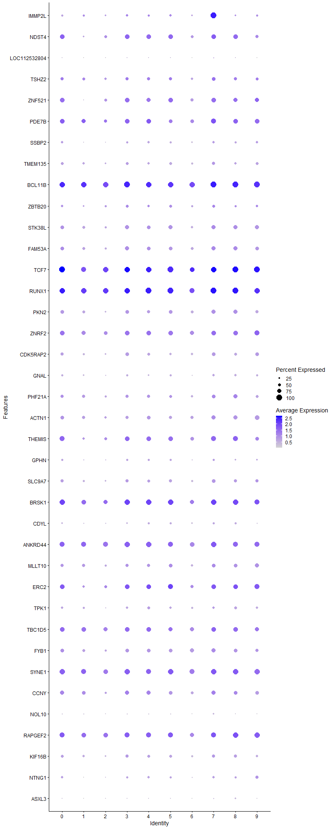
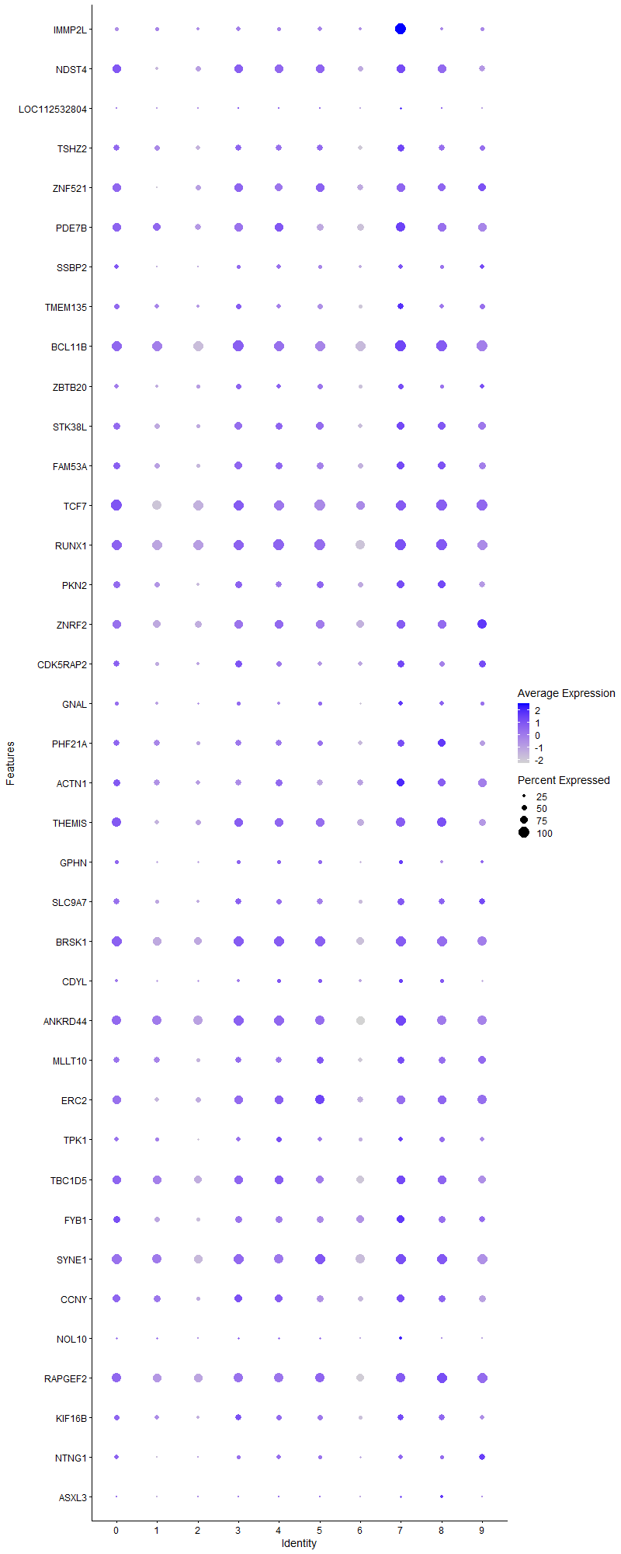
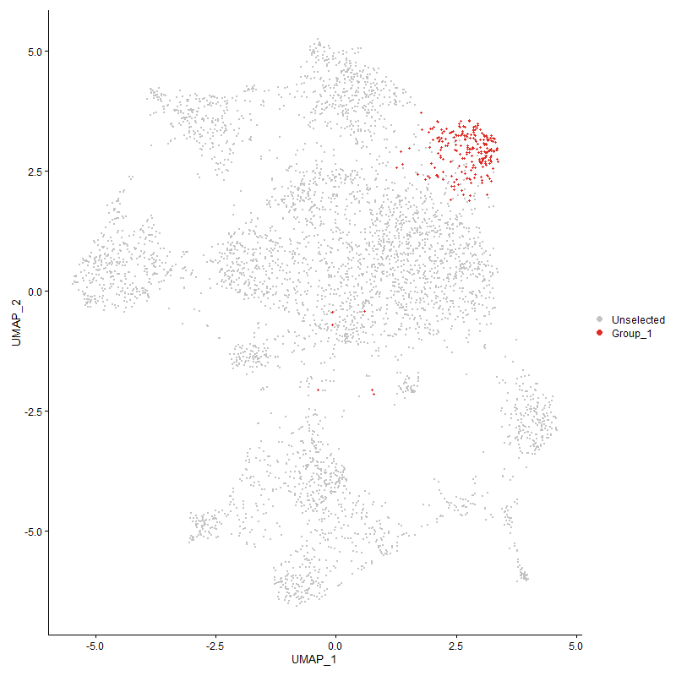
 | p_val | avg_log2FC | pct.1 | pct.2 | p_val_adj | cluster | gene
IMMP2L | 2.0794699001E-162 | 2.3133387486 | 1 | 0.339 | 3.1755584844E-158 | 7 | IMMP2L
NDST42 | 6.6866011705E-10 | 0.48907638493 | 0.797 | 0.665 | 1.0211108647E-05 | 7 | NDST4
LOC112532804 | 3.9752879729E-09 | 0.47776150544 | 0.162 | 0.062 | 6.0706622634E-05 | 7 | LOC112532804
TSHZ2 | 3.2629809024E-05 | 0.35152887083 | 0.685 | 0.551 | 0.49828981361 | 7 | TSHZ2
ZNF5213 | 2.4086633052E-08 | 0.34851221805 | 0.829 | 0.619 | 0.00036782697334 | 7 | ZNF521
PDE7B | 2.30217545E-05 | 0.347768645 | 0.865 | 0.765 | 0.35156521297 | 7 | PDE7B
SSBP21 | 0.0010840709548 | 0.31017414255 | 0.405 | 0.318 | 1 | 7 | SSBP2
TMEM135 | 0.00042409082067 | 0.30849178034 | 0.541 | 0.458 | 1 | 7 | TMEM135
BCL11B | 3.7158426238E-10 | 0.30713347526 | 1 | 0.985 | 5.6744632708E-06 | 7 | BCL11B
ZBTB20 | 0.00013895665595 | 0.30604693217 | 0.527 | 0.398 | 1 | 7 | ZBTB20
STK38L | 6.826241818E-06 | 0.29763287716 | 0.73 | 0.605 | 0.1042435388 | 7 | STK38L
FAM53A1 | 1.7265184011E-05 | 0.29458394724 | 0.712 | 0.598 | 0.26365662502 | 7 | FAM53A
TCF72 | 1.2599952143E-09 | 0.28783440645 | 0.995 | 0.955 | 1.9241386918E-05 | 7 | TCF7
RUNX11 | 4.7521950396E-08 | 0.28778558577 | 1 | 0.982 | 0.00072570770449 | 7 | RUNX1
PKN2 | 6.9367469284E-07 | 0.28627863323 | 0.73 | 0.555 | 0.010593106234 | 7 | PKN2
ZNRF2 | 0.0011346219688 | 0.28557940319 | 0.815 | 0.781 | 1 | 7 | ZNRF2
CDK5RAP2 | 2.8913414031E-06 | 0.28536634609 | 0.64 | 0.49 | 0.044153674567 | 7 | CDK5RAP2
GNAL | 0.00020693857537 | 0.28472581019 | 0.414 | 0.309 | 1 | 7 | GNAL
PHF21A | 0.00017797321052 | 0.27727467685 | 0.649 | 0.537 | 1 | 7 | PHF21A
ACTN1 | 7.002622979E-06 | 0.27224248367 | 0.761 | 0.61 | 0.10693705551 | 7 | ACTN1
THEMIS2 | 8.5932469472E-06 | 0.27189991103 | 0.878 | 0.719 | 0.13122747413 | 7 | THEMIS
GPHN | 0.0022475289229 | 0.27128109953 | 0.374 | 0.286 | 1 | 7 | GPHN
SLC9A7 | 1.4341784066E-06 | 0.2707515827 | 0.649 | 0.487 | 0.021901338447 | 7 | SLC9A7
BRSK13 | 1.2681736046E-05 | 0.26968662729 | 0.946 | 0.892 | 0.19366279116 | 7 | BRSK1
CDYL | 0.00036210489166 | 0.26829556519 | 0.36 | 0.26 | 1 | 7 | CDYL
ANKRD44 | 8.7810261661E-08 | 0.26666636942 | 0.95 | 0.91 | 0.0013409505058 | 7 | ANKRD44
MLLT10 | 0.00063776047462 | 0.26595622866 | 0.653 | 0.557 | 1 | 7 | MLLT10
ERC24 | 0.00083728414985 | 0.26085214576 | 0.793 | 0.686 | 1 | 7 | ERC2
TPK1 | 0.0058892279127 | 0.26045144312 | 0.455 | 0.389 | 1 | 7 | TPK1
TBC1D5 | 0.0070761918877 | 0.26014434428 | 0.829 | 0.79 | 1 | 7 | TBC1D5
FYB11 | 0.00032688976084 | 0.25906929089 | 0.694 | 0.605 | 1 | 7 | FYB1
SYNE1 | 1.3330530586E-07 | 0.25894423532 | 0.964 | 0.923 | 0.0020357053258 | 7 | SYNE1
CCNY1 | 0.0018006537807 | 0.25887650503 | 0.752 | 0.649 | 1 | 7 | CCNY
NOL10 | 1.2276351376E-06 | 0.25861782707 | 0.302 | 0.178 | 0.018747216187 | 7 | NOL10
RAPGEF2 | 5.4221565E-05 | 0.25639324991 | 0.905 | 0.863 | 0.82801751912 | 7 | RAPGEF2
KIF16B | 0.00015227520565 | 0.25630211502 | 0.59 | 0.476 | 1 | 7 | KIF16B
NTNG11 | 8.738581895E-05 | 0.25535719675 | 0.41 | 0.288 | 1 | 7 | NTNG1
ASXL3 | 3.6890647756E-05 | 0.25415407667 | 0.198 | 0.111 | 0.56335708188 | 7 | ASXL3

Cluster8
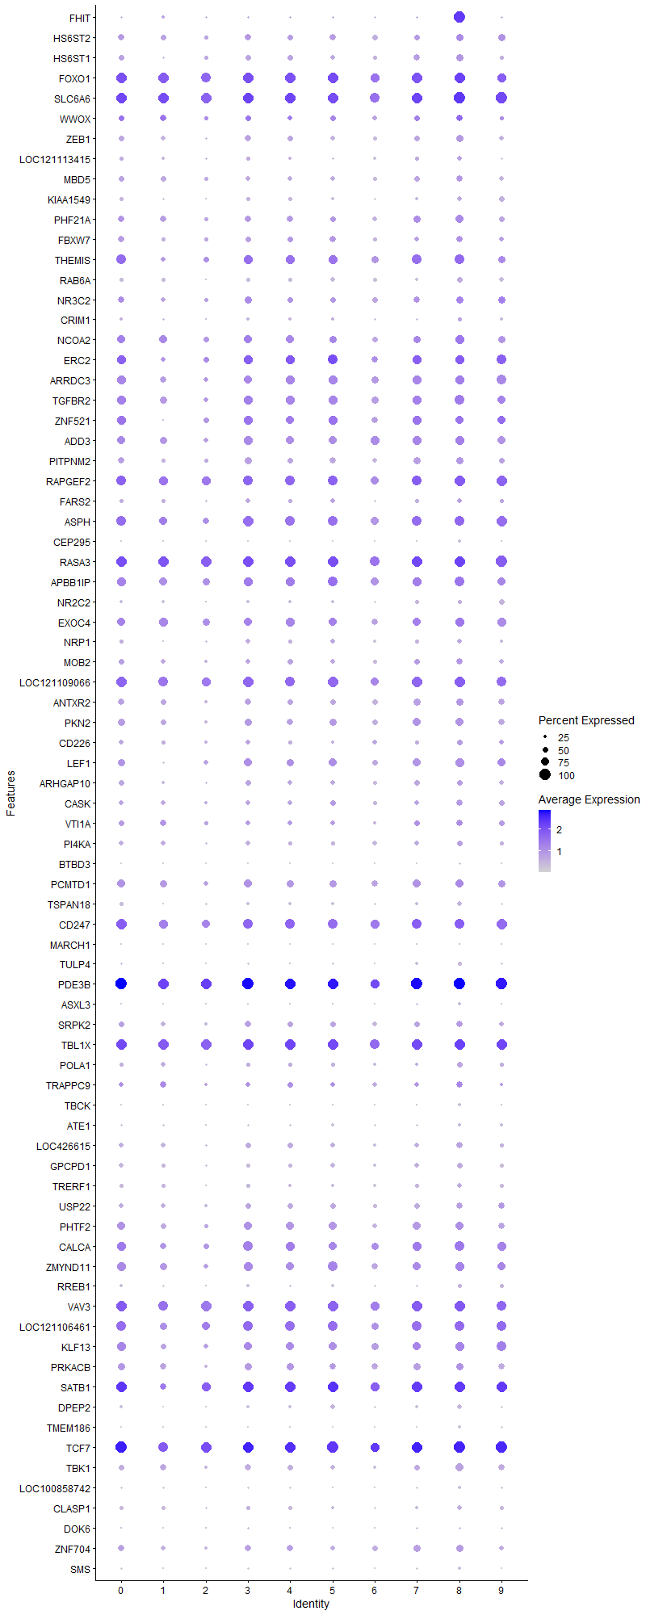
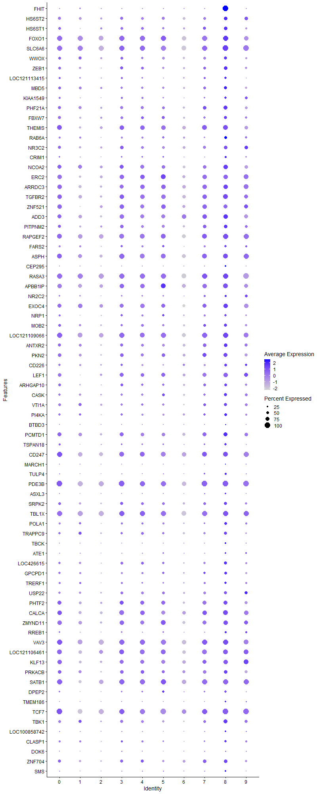
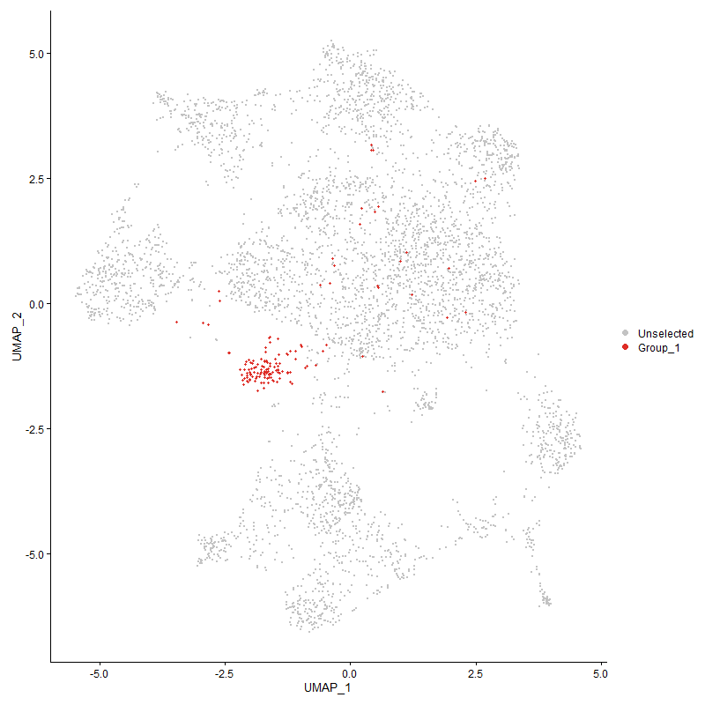
 | p_val | avg_log2FC | pct.1 | pct.2 | p_val_adj | cluster | gene
FHIT | 2.209382137E-167 | 2.6231510699 | 1 | 0.179 | 3.3739474614E-163 | 8 | FHIT
HS6ST2 | 7.0325499577E-06 | 0.43302820171 | 0.679 | 0.524 | 0.1073940704 | 8 | HS6ST2
HS6ST1 | 1.9495351093E-07 | 0.42440466745 | 0.614 | 0.422 | 0.0029771350653 | 8 | HS6ST1
FOXO1 | 2.4367468937E-08 | 0.42002035157 | 0.971 | 0.936 | 0.00037211561814 | 8 | FOXO1
SLC6A6 | 1.6383893879E-05 | 0.41904206217 | 1 | 0.96 | 0.25019844343 | 8 | SLC6A6
WWOX | 0.000363178719 | 0.41510993672 | 0.607 | 0.475 | 1 | 8 | WWOX
ZEB1 | 1.7968750884E-05 | 0.39576672109 | 0.614 | 0.453 | 0.27440079475 | 8 | ZEB1
LOC121113415 | 0.00042740096494 | 0.38865618066 | 0.429 | 0.292 | 1 | 8 | LOC121113415
MBD5 | 0.00021706078532 | 0.38806006895 | 0.543 | 0.435 | 1 | 8 | MBD5
KIAA1549 | 8.8018818297E-07 | 0.37615335414 | 0.436 | 0.263 | 0.013441353742 | 8 | KIAA1549
PHF21A1 | 5.2434682815E-06 | 0.37614082921 | 0.714 | 0.537 | 0.080073004127 | 8 | PHF21A
FBXW7 | 1.1984339242E-05 | 0.37179403358 | 0.607 | 0.453 | 0.18301284457 | 8 | FBXW7
THEMIS3 | 1.6495728703E-07 | 0.36680322107 | 0.907 | 0.721 | 0.0025190627303 | 8 | THEMIS
RAB6A | 5.7013784462E-08 | 0.36672020506 | 0.514 | 0.324 | 0.00087065750252 | 8 | RAB6A
NR3C22 | 0.0051041552553 | 0.35174752452 | 0.614 | 0.516 | 1 | 8 | NR3C2
CRIM1 | 0.00020128139681 | 0.35031872444 | 0.379 | 0.241 | 1 | 8 | CRIM1
NCOA2 | 0.00026340721924 | 0.34891483504 | 0.821 | 0.696 | 1 | 8 | NCOA2
ERC25 | 5.1570290015E-06 | 0.3409998891 | 0.836 | 0.687 | 0.078752989882 | 8 | ERC2
ARRDC3 | 0.00010913299219 | 0.33720171032 | 0.793 | 0.7 | 1 | 8 | ARRDC3
TGFBR21 | 2.8898890804E-06 | 0.33478521903 | 0.871 | 0.73 | 0.044131496147 | 8 | TGFBR2
ZNF5214 | 0.0009774929653 | 0.33450889647 | 0.75 | 0.626 | 1 | 8 | ZNF521
ADD3 | 0.00056465648981 | 0.33295698631 | 0.786 | 0.702 | 1 | 8 | ADD3
PITPNM2 | 2.4098993698E-05 | 0.33102125733 | 0.664 | 0.514 | 0.36801573276 | 8 | PITPNM2
RAPGEF21 | 0.00017048274529 | 0.32743292764 | 0.943 | 0.862 | 1 | 8 | RAPGEF2
FARS21 | 0.0003438231125 | 0.32629497601 | 0.45 | 0.323 | 1 | 8 | FARS2
ASPH1 | 0.000170911972 | 0.32619593024 | 0.879 | 0.825 | 1 | 8 | ASPH
CEP295 | 9.8781368515E-09 | 0.32037314812 | 0.25 | 0.103 | 0.00015084902786 | 8 | CEP295
RASA3 | 4.4398665979E-07 | 0.31705786265 | 0.986 | 0.966 | 0.0067801202816 | 8 | RASA3
APBB1IP1 | 6.9527334227E-06 | 0.311527639 | 0.871 | 0.766 | 0.1061751921 | 8 | APBB1IP
NR2C2 | 0.00070225346288 | 0.31119808189 | 0.371 | 0.265 | 1 | 8 | NR2C2
EXOC4 | 0.0014578416835 | 0.30350942498 | 0.829 | 0.738 | 1 | 8 | EXOC4
NRP11 | 0.00024202997737 | 0.30136808798 | 0.436 | 0.288 | 1 | 8 | NRP1
MOB2 | 0.00031886391265 | 0.30062571811 | 0.571 | 0.432 | 1 | 8 | MOB2
LOC121109066 | 1.8024348308E-05 | 0.30037671747 | 0.929 | 0.899 | 0.27524982301 | 8 | LOC121109066
ANTXR2 | 0.00015390145537 | 0.29960367686 | 0.65 | 0.513 | 1 | 8 | ANTXR2
PKN21 | 0.00012068877859 | 0.29925673424 | 0.721 | 0.559 | 1 | 8 | PKN2
CD226 | 0.00025057341579 | 0.29917890552 | 0.514 | 0.35 | 1 | 8 | CD226
LEF14 | 4.4566935794E-08 | 0.29829921288 | 0.814 | 0.555 | 0.00068058167652 | 8 | LEF1
ARHGAP10 | 0.007363200126 | 0.29685096964 | 0.5 | 0.393 | 1 | 8 | ARHGAP10
CASK | 0.00034201361782 | 0.29400263808 | 0.579 | 0.428 | 1 | 8 | CASK
VTI1A | 0.00025143353192 | 0.29022551986 | 0.607 | 0.451 | 1 | 8 | VTI1A
PI4KA | 0.0067845776479 | 0.29014949921 | 0.486 | 0.392 | 1 | 8 | PI4KA
BTBD3 | 6.4292861406E-16 | 0.28895710853 | 0.157 | 0.031 | 9.8181628653E-12 | 8 | BTBD3
PCMTD1 | 0.00024933999905 | 0.28822029896 | 0.764 | 0.669 | 1 | 8 | PCMTD1
TSPAN18 | 8.4982620834E-06 | 0.28708339842 | 0.393 | 0.24 | 0.12977696028 | 8 | TSPAN18
CD2471 | 0.00023290192543 | 0.28518303582 | 0.907 | 0.861 | 1 | 8 | CD247
MARCH1 | 1.2172916746E-05 | 0.2824460537 | 0.143 | 0.055 | 0.18589261163 | 8 | MARCH1
TULP4 | 6.6932511243E-06 | 0.28189513052 | 0.314 | 0.168 | 0.10221263792 | 8 | TULP4
PDE3B2 | 7.2704668604E-08 | 0.28069627805 | 1 | 0.973 | 0.0011102729943 | 8 | PDE3B
ASXL31 | 8.5102461767E-08 | 0.27975852081 | 0.257 | 0.111 | 0.0012995996936 | 8 | ASXL3
SRPK2 | 0.0003989449384 | 0.2781097263 | 0.593 | 0.451 | 1 | 8 | SRPK2
TBL1X | 0.0002862033155 | 0.27633075119 | 0.957 | 0.954 | 1 | 8 | TBL1X
POLA1 | 8.1162607961E-05 | 0.27388232704 | 0.486 | 0.319 | 1 | 8 | POLA1
TRAPPC91 | 0.0074068380043 | 0.27319051131 | 0.543 | 0.437 | 1 | 8 | TRAPPC9
TBCK | 6.3187715702E-07 | 0.273026826 | 0.243 | 0.109 | 0.0096493960648 | 8 | TBCK
ATE1 | 0.00019116666872 | 0.2723087734 | 0.3 | 0.182 | 1 | 8 | ATE1
LOC426615 | 0.00010369924963 | 0.27178479762 | 0.55 | 0.401 | 1 | 8 | LOC426615
GPCPD1 | 4.4730664109E-06 | 0.27177763449 | 0.514 | 0.34 | 0.068308197162 | 8 | GPCPD1
TRERF1 | 0.0012454392218 | 0.27172921986 | 0.4 | 0.298 | 1 | 8 | TRERF1
USP22 | 0.00027268002546 | 0.27112285657 | 0.593 | 0.436 | 1 | 8 | USP22
PHTF21 | 0.0015155150306 | 0.2706918983 | 0.736 | 0.635 | 1 | 8 | PHTF2
CALCA1 | 0.00065648420246 | 0.27065938635 | 0.864 | 0.734 | 1 | 8 | CALCA
ZMYND11 | 0.0028703551525 | 0.26970554198 | 0.807 | 0.717 | 1 | 8 | ZMYND11
RREB1 | 0.00010448647607 | 0.26968467101 | 0.364 | 0.23 | 1 | 8 | RREB1
VAV31 | 2.091806038E-05 | 0.26935928489 | 0.971 | 0.925 | 0.31943970006 | 8 | VAV3
LOC1211064612 | 0.00013907257076 | 0.26814879327 | 0.9 | 0.811 | 1 | 8 | LOC121106461
KLF131 | 3.793744411E-06 | 0.26446780453 | 0.829 | 0.676 | 0.057934270901 | 8 | KLF13
PRKACB | 0.0042549868517 | 0.26389162216 | 0.671 | 0.602 | 1 | 8 | PRKACB
SATB13 | 4.2454695202E-05 | 0.26368559361 | 0.971 | 0.889 | 0.64832565044 | 8 | SATB1
DPEP21 | 3.9871915748E-08 | 0.26225296455 | 0.393 | 0.198 | 0.00060888402539 | 8 | DPEP2
TMEM186 | 1.2497825232E-12 | 0.25977790352 | 0.243 | 0.076 | 1.9085428911E-08 | 8 | TMEM186
TCF73 | 4.5696905968E-06 | 0.25908217804 | 1 | 0.956 | 0.069783745104 | 8 | TCF7
TBK1 | 5.2305564794E-07 | 0.25878575345 | 0.707 | 0.469 | 0.0079875827997 | 8 | TBK1
LOC100858742 | 0.00019554407005 | 0.25618547314 | 0.264 | 0.153 | 1 | 8 | LOC100858742
CLASP1 | 0.0020034188817 | 0.25587770272 | 0.4 | 0.293 | 1 | 8 | CLASP1
DOK6 | 0.0017992930461 | 0.25530677677 | 0.2 | 0.115 | 1 | 8 | DOK6
ZNF704 | 0.00095187665423 | 0.25307100269 | 0.614 | 0.488 | 1 | 8 | ZNF704
SMS | 1.8678546522E-06 | 0.25204852039 | 0.286 | 0.141 | 0.028524008394 | 8 | SMS

Cluster9
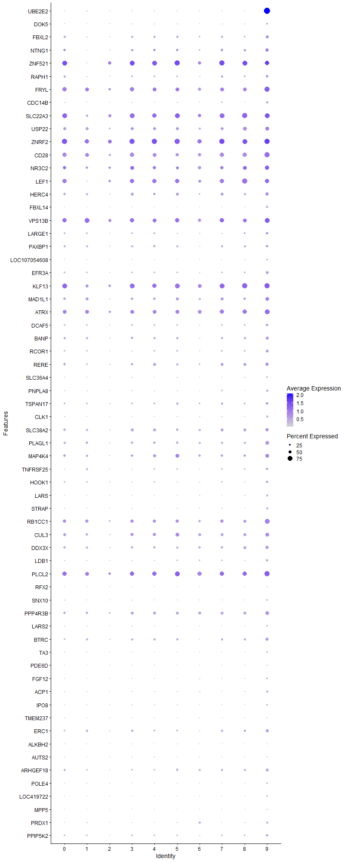
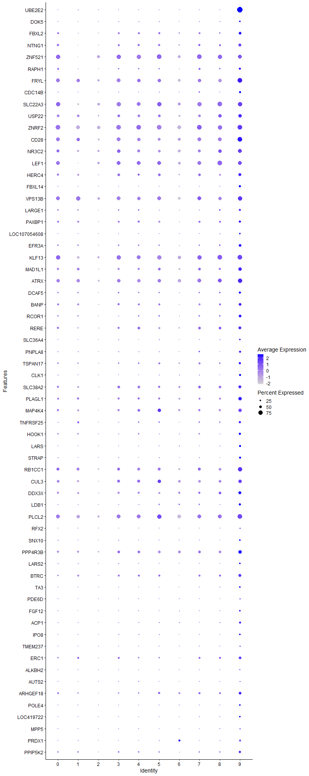
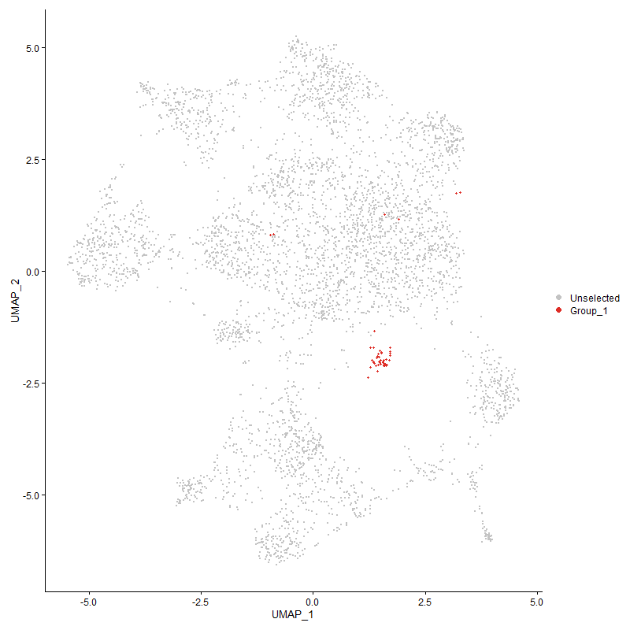
 | p_val | avg_log2FC | pct.1 | pct.2 | p_val_adj | cluster | gene
UBE2E21 | 6.0840177911E-110 | 2.6428067075 | 0.957 | 0.078 | 9.2909035688E-106 | 9 | UBE2E2
DOK5 | 0.001321780054 | 0.55693413168 | 0.261 | 0.116 | 1 | 9 | DOK5
FBXL2 | 0.00021302201114 | 0.53051210128 | 0.457 | 0.26 | 1 | 9 | FBXL2
NTNG12 | 0.00013048262188 | 0.51574014026 | 0.543 | 0.291 | 1 | 9 | NTNG1
ZNF5215 | 0.0097820012994 | 0.50891921016 | 0.696 | 0.629 | 1 | 9 | ZNF521
RAPH1 | 0.0033110471914 | 0.50825478996 | 0.413 | 0.246 | 1 | 9 | RAPH1
FRYL | 0.00012687005537 | 0.50760215023 | 0.848 | 0.623 | 1 | 9 | FRYL
CDC14B | 0.00020402881717 | 0.4984077179 | 0.304 | 0.135 | 1 | 9 | CDC14B
SLC22A32 | 0.002694877353 | 0.4821206578 | 0.804 | 0.653 | 1 | 9 | SLC22A3
USP221 | 0.0021632515948 | 0.47518362495 | 0.609 | 0.439 | 1 | 9 | USP22
ZNRF21 | 0.00082567529687 | 0.46948941217 | 0.848 | 0.782 | 1 | 9 | ZNRF2
CD28 | 2.391690482E-05 | 0.44850616286 | 0.826 | 0.619 | 0.36523505351 | 9 | CD28
NR3C23 | 0.0047929891746 | 0.4479398552 | 0.674 | 0.518 | 1 | 9 | NR3C2
LEF15 | 0.0018473758339 | 0.44129844724 | 0.717 | 0.562 | 1 | 9 | LEF1
HERC4 | 0.0040006781987 | 0.42279769947 | 0.543 | 0.367 | 1 | 9 | HERC4
FBXL14 | 3.6175778023E-20 | 0.39803123079 | 0.413 | 0.065 | 5.524403062E-16 | 9 | FBXL14
VPS13B | 0.0037933007744 | 0.39653004788 | 0.783 | 0.66 | 1 | 9 | VPS13B
LARGE1 | 0.0012497106328 | 0.38582005953 | 0.413 | 0.22 | 1 | 9 | LARGE1
PAXBP1 | 0.0060187100538 | 0.38226403443 | 0.435 | 0.29 | 1 | 9 | PAXBP1
LOC107054608 | 4.4343419384E-05 | 0.37954116209 | 0.261 | 0.092 | 0.67716835741 | 9 | LOC107054608
EFR3A | 0.00011086707465 | 0.37925713761 | 0.457 | 0.224 | 1 | 9 | EFR3A
KLF132 | 0.0010542782419 | 0.37835777998 | 0.87 | 0.679 | 1 | 9 | KLF13
MAD1L1 | 0.0010703685953 | 0.37524559501 | 0.587 | 0.395 | 1 | 9 | MAD1L1
ATRX | 0.0065263970485 | 0.36727239951 | 0.761 | 0.612 | 1 | 9 | ATRX
DCAF5 | 0.0099536897539 | 0.36676473951 | 0.37 | 0.229 | 1 | 9 | DCAF5
BANP | 0.0051463503923 | 0.35168040417 | 0.5 | 0.307 | 1 | 9 | BANP
RCOR1 | 3.4924714455E-05 | 0.34860399449 | 0.5 | 0.231 | 0.53333531444 | 9 | RCOR1
RERE | 0.0069042645913 | 0.34812387195 | 0.543 | 0.359 | 1 | 9 | RERE
SLC36A4 | 3.3806861548E-05 | 0.34575505031 | 0.283 | 0.1 | 0.51626458271 | 9 | SLC36A4
PNPLA8 | 0.00065669871674 | 0.34230616166 | 0.326 | 0.149 | 1 | 9 | PNPLA8
TSPAN17 | 0.0041902957182 | 0.33763368077 | 0.435 | 0.262 | 1 | 9 | TSPAN17
CLK1 | 0.00025500845274 | 0.3364895777 | 0.304 | 0.129 | 1 | 9 | CLK1
SLC38A2 | 0.0041351427445 | 0.32453989925 | 0.543 | 0.386 | 1 | 9 | SLC38A2
PLAGL1 | 0.00021977687771 | 0.32446646938 | 0.587 | 0.339 | 1 | 9 | PLAGL1
MAP4K41 | 0.0071457976406 | 0.32421316501 | 0.587 | 0.4 | 1 | 9 | MAP4K4
TNFRSF25 | 0.0023203424587 | 0.31818408879 | 0.391 | 0.22 | 1 | 9 | TNFRSF25
HOOK1 | 0.00032586548002 | 0.31405871627 | 0.413 | 0.207 | 1 | 9 | HOOK1
LARS | 2.5149694601E-07 | 0.31403476099 | 0.326 | 0.097 | 0.0038406098625 | 9 | LARS
STRAP | 0.00095108450641 | 0.31181793805 | 0.304 | 0.143 | 1 | 9 | STRAP
RB1CC1 | 0.0009039248196 | 0.31104361468 | 0.761 | 0.509 | 1 | 9 | RB1CC1
CUL31 | 0.0092087782721 | 0.30790132174 | 0.63 | 0.456 | 1 | 9 | CUL3
DDX3X | 0.0052341067433 | 0.30738353552 | 0.543 | 0.356 | 1 | 9 | DDX3X
LDB1 | 7.2691384928E-05 | 0.30506565475 | 0.391 | 0.17 | 1 | 9 | LDB1
PLCL21 | 0.0024950016699 | 0.30380509198 | 0.87 | 0.67 | 1 | 9 | PLCL2
RFX2 | 1.6842664072E-06 | 0.29999692759 | 0.174 | 0.038 | 0.025720432305 | 9 | RFX2
SNX10 | 0.00229319666 | 0.29736840489 | 0.261 | 0.119 | 1 | 9 | SNX10
PPP4R3B | 0.0026399399665 | 0.29677293609 | 0.587 | 0.424 | 1 | 9 | PPP4R3B
LARS2 | 0.004296003683 | 0.28319015279 | 0.261 | 0.13 | 1 | 9 | LARS2
BTRC | 0.0001821511868 | 0.28233998121 | 0.543 | 0.271 | 1 | 9 | BTRC
TA3 | 0.0001649022502 | 0.28081832516 | 0.239 | 0.084 | 1 | 9 | TA3
PDE6D | 0.007257676936 | 0.27778985442 | 0.174 | 0.074 | 1 | 9 | PDE6D
FGF12 | 0.0041271642239 | 0.27729905367 | 0.217 | 0.094 | 1 | 9 | FGF12
ACP1 | 0.00062661768761 | 0.27052035547 | 0.326 | 0.149 | 1 | 9 | ACP1
IPO8 | 0.00074091598685 | 0.26870476114 | 0.283 | 0.123 | 1 | 9 | IPO8
TMEM237 | 2.4915180463E-05 | 0.26776679637 | 0.196 | 0.055 | 0.38047972085 | 9 | TMEM237
ERC1 | 0.0033496266023 | 0.26744264785 | 0.457 | 0.256 | 1 | 9 | ERC1
ALKBH2 | 2.2545678844E-11 | 0.26338858781 | 0.13 | 0.013 | 3.4429506163E-07 | 9 | ALKBH2
AUTS21 | 0.0030551687792 | 0.25997563404 | 0.152 | 0.052 | 1 | 9 | AUTS2
ARHGEF18 | 0.0081471124597 | 0.25939950441 | 0.457 | 0.286 | 1 | 9 | ARHGEF18
POLE4 | 0.00085140281893 | 0.25912447699 | 0.239 | 0.095 | 1 | 9 | POLE4
LOC419722 | 1.0302646786E-08 | 0.25880476843 | 0.217 | 0.043 | 0.00015733171907 | 9 | LOC419722
MPP5 | 1.7523932502E-05 | 0.25633069273 | 0.174 | 0.043 | 0.26760797324 | 9 | MPP5
PRDX11 | 0.0004306522322 | 0.25619284026 | 0.326 | 0.142 | 1 | 9 | PRDX1
PPIP5K2 | 0.0074314913723 | 0.25326517153 | 0.391 | 0.235 | 1 | 9 | PPIP5K2

