Clustered cells
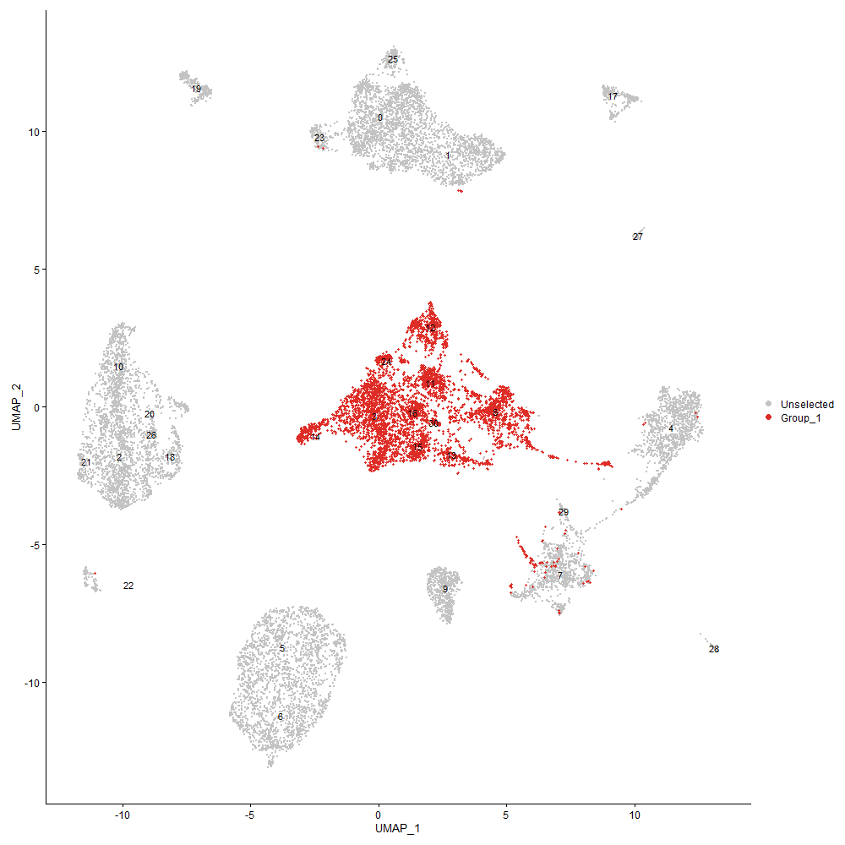
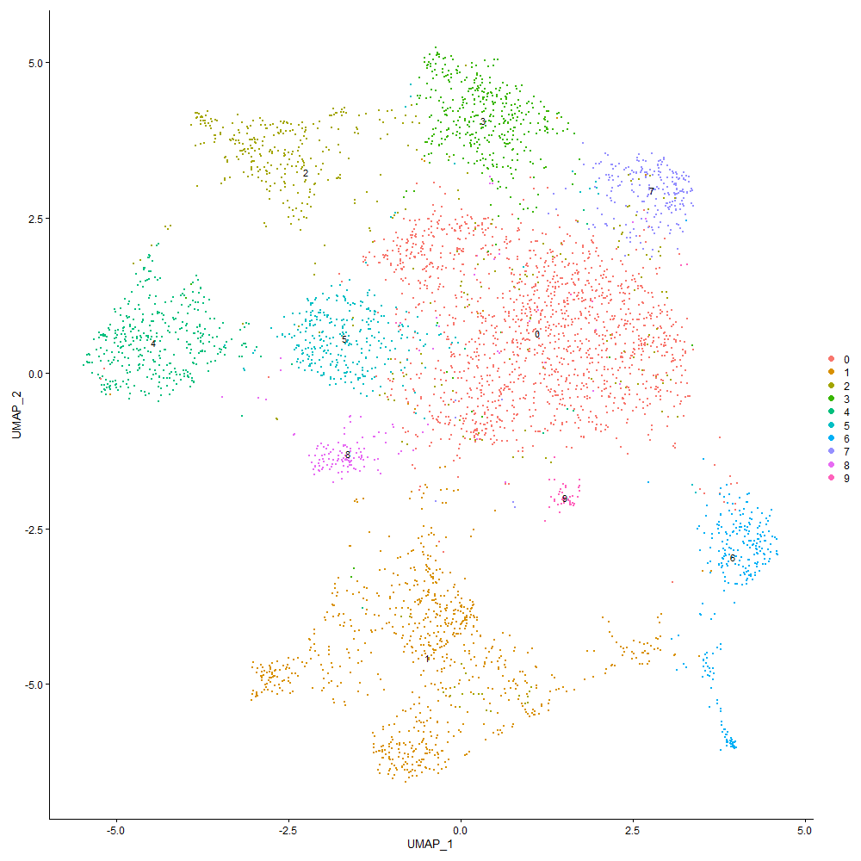
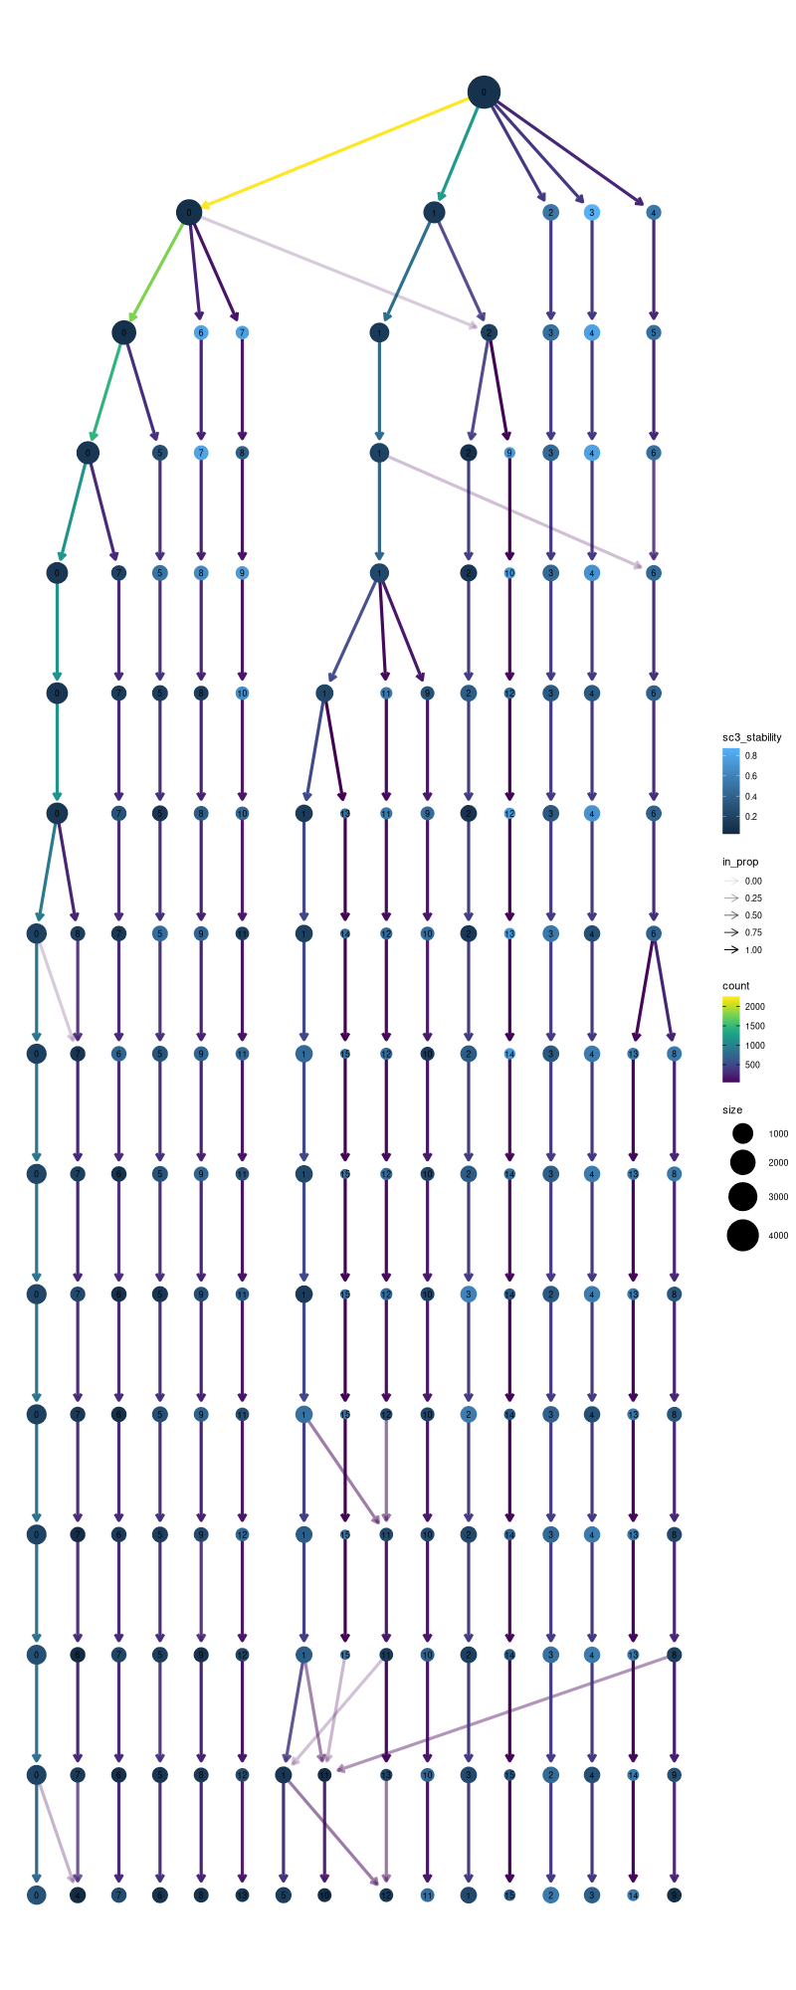

Cluster0
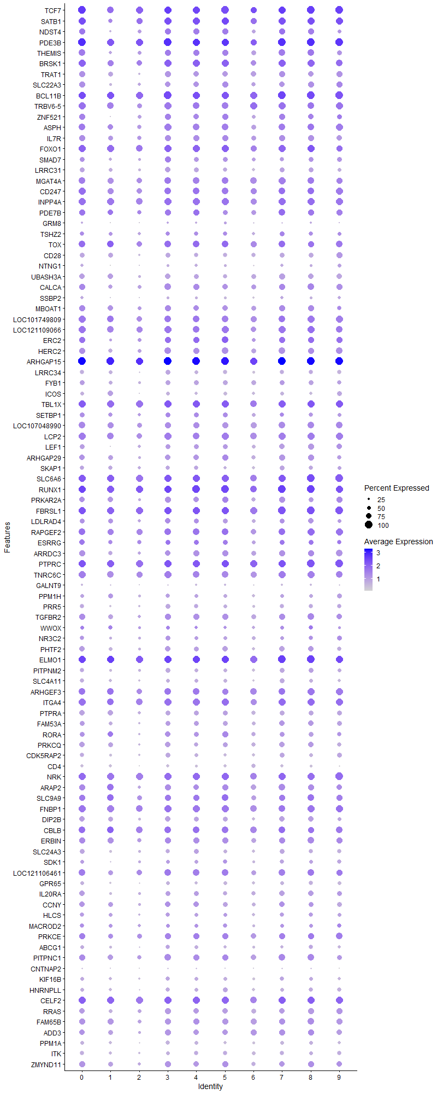
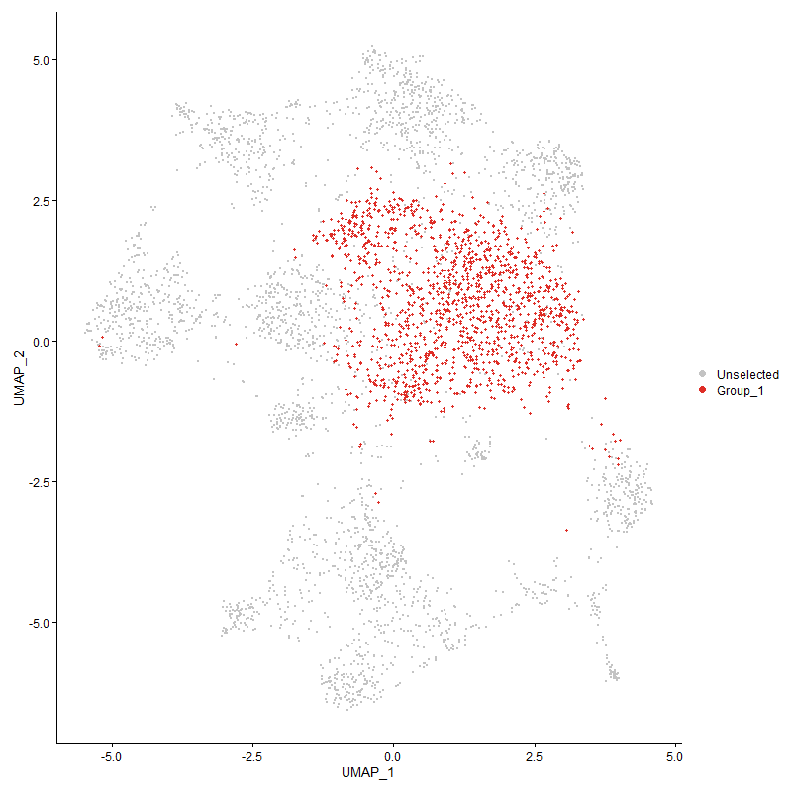
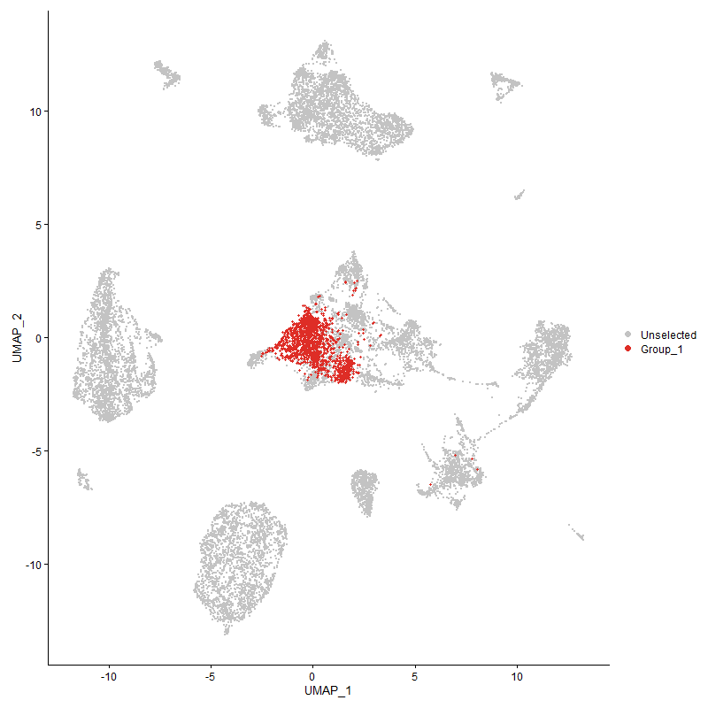
 | p_val | avg_log2FC | pct.1 | pct.2 | p_val_adj | cluster | gene
TCF7 | 0 | 1.7441457513 | 1 | 0.486 | 0 | 0 | TCF7
SATB1 | 0 | 1.6809745794 | 0.99 | 0.399 | 0 | 0 | SATB1
NDST4 | 0 | 1.4564102337 | 0.841 | 0.24 | 0 | 0 | NDST4
PDE3B | 0 | 1.3526212238 | 0.999 | 0.783 | 0 | 0 | PDE3B
THEMIS | 0 | 1.3210400421 | 0.858 | 0.261 | 0 | 0 | THEMIS
BRSK1 | 0 | 1.1518731591 | 0.957 | 0.53 | 0 | 0 | BRSK1
TRAT1 | 0 | 1.1005197954 | 0.82 | 0.252 | 0 | 0 | TRAT1
SLC22A3 | 0 | 1.092890575 | 0.785 | 0.221 | 0 | 0 | SLC22A3
BCL11B | 0 | 1.0629440825 | 0.994 | 0.594 | 0 | 0 | BCL11B
TRBV6-5 | 4.7015650468E-280 | 0.9755882607 | 0.937 | 0.57 | 7.179759983E-276 | 0 | TRBV6-5
ZNF521 | 3.0577960061E-291 | 0.96802892919 | 0.794 | 0.317 | 4.6695602809E-287 | 0 | ZNF521
ASPH | 1.0507467218E-280 | 0.96636130313 | 0.889 | 0.475 | 1.6045953188E-276 | 0 | ASPH
IL7R | 0 | 0.94061544098 | 0.811 | 0.307 | 0 | 0 | IL7R
FOXO1 | 1.3742223477E-253 | 0.93940430476 | 0.962 | 0.659 | 2.0985749471E-249 | 0 | FOXO1
SMAD7 | 4.9525095495E-211 | 0.93644987842 | 0.636 | 0.271 | 7.562977333E-207 | 0 | SMAD7
LRRC31 | 0 | 0.89852728064 | 0.665 | 0.153 | 0 | 0 | LRRC31
MGAT4A | 1.60652182E-255 | 0.87446218087 | 0.906 | 0.548 | 2.4533194713E-251 | 0 | MGAT4A
CD247 | 5.6170243202E-245 | 0.86790856132 | 0.939 | 0.525 | 8.5777578394E-241 | 0 | CD247
INPP4A | 1.4779274383E-243 | 0.86551682181 | 0.944 | 0.703 | 2.2569429911E-239 | 0 | INPP4A
PDE7B | 1.2207986266E-215 | 0.85925268368 | 0.83 | 0.413 | 1.8642815826E-211 | 0 | PDE7B
GRM8 | 1.7642070695E-157 | 0.84628358851 | 0.277 | 0.072 | 2.6941206159E-153 | 0 | GRM8
TSHZ2 | 4.6545417966E-158 | 0.81108278404 | 0.597 | 0.27 | 7.1079507776E-154 | 0 | TSHZ2
TOX | 2.8501127704E-187 | 0.81103110734 | 0.869 | 0.491 | 4.3524072117E-183 | 0 | TOX
CD28 | 0 | 0.80771472171 | 0.685 | 0.163 | 0 | 0 | CD28
NTNG1 | 1.8561339057E-257 | 0.79186855526 | 0.408 | 0.1 | 2.8345020874E-253 | 0 | NTNG1
UBASH3A | 9.3550062469E-278 | 0.74192199497 | 0.735 | 0.289 | 1.428603004E-273 | 0 | UBASH3A
CALCA | 8.4210927393E-160 | 0.73465560742 | 0.829 | 0.51 | 1.2859850722E-155 | 0 | CALCA
SSBP2 | 4.3622595938E-184 | 0.73012804489 | 0.426 | 0.139 | 6.6616066257E-180 | 0 | SSBP2
MBOAT1 | 5.9141929186E-153 | 0.72501341099 | 0.811 | 0.51 | 9.031564006E-149 | 0 | MBOAT1
LOC101749809 | 4.6356503007E-196 | 0.72077575515 | 0.923 | 0.523 | 7.0791015743E-192 | 0 | LOC101749809
LOC121109066 | 8.41404995E-177 | 0.7136646532 | 0.939 | 0.67 | 1.2849095679E-172 | 0 | LOC121109066
ERC2 | 6.1128259337E-205 | 0.71116329845 | 0.803 | 0.35 | 9.3348964833E-201 | 0 | ERC2
HERC2 | 3.8670923045E-187 | 0.70678665128 | 0.813 | 0.477 | 5.9054366583E-183 | 0 | HERC2
ARHGAP15 | 1.6827160227E-240 | 0.68074440269 | 1 | 0.982 | 2.5696756383E-236 | 0 | ARHGAP15
LRRC34 | 0 | 0.67873218561 | 0.587 | 0.147 | 0 | 0 | LRRC34
FYB1 | 2.7512679971E-184 | 0.66917248056 | 0.69 | 0.323 | 4.2014613583E-180 | 0 | FYB1
ICOS | 1.3349831556E-307 | 0.66647493151 | 0.501 | 0.126 | 2.0386527769E-303 | 0 | ICOS
TBL1X | 2.2545557018E-149 | 0.66607386336 | 0.97 | 0.802 | 3.4429320123E-145 | 0 | TBL1X
SETBP1 | 1.8475628674E-111 | 0.65603923169 | 0.623 | 0.34 | 2.8214132548E-107 | 0 | SETBP1
LOC107048990 | 1.9357653937E-154 | 0.64875816978 | 0.865 | 0.591 | 2.9561073328E-150 | 0 | LOC107048990
LCP2 | 8.1050109411E-167 | 0.64521643885 | 0.935 | 0.638 | 1.2377162208E-162 | 0 | LCP2
LEF1 | 9.3053069846E-186 | 0.64482358974 | 0.682 | 0.306 | 1.4210134296E-181 | 0 | LEF1
ARHGAP29 | 7.6968281745E-175 | 0.64411393833 | 0.773 | 0.393 | 1.1753826305E-170 | 0 | ARHGAP29
SKAP1 | 9.1326132782E-197 | 0.64055797904 | 0.619 | 0.254 | 1.3946413737E-192 | 0 | SKAP1
SLC6A6 | 4.2282231408E-135 | 0.62063537318 | 0.975 | 0.877 | 6.4569195584E-131 | 0 | SLC6A6
RUNX1 | 1.7977392146E-172 | 0.61811096633 | 0.997 | 0.915 | 2.7453275546E-168 | 0 | RUNX1
PRKAR2A | 1.2758052363E-129 | 0.6109689002 | 0.759 | 0.457 | 1.9482821764E-125 | 0 | PRKAR2A
FBRSL1 | 6.7091376157E-167 | 0.60429581693 | 0.99 | 0.947 | 1.0245524053E-162 | 0 | FBRSL1
LDLRAD4 | 3.315958158E-87 | 0.60233402544 | 0.651 | 0.415 | 5.0637997031E-83 | 0 | LDLRAD4
RAPGEF2 | 7.07549955E-177 | 0.59899237177 | 0.901 | 0.623 | 1.0804995363E-172 | 0 | RAPGEF2
ESRRG | 1.9881575764E-66 | 0.59330257538 | 0.698 | 0.496 | 3.0361154349E-62 | 0 | ESRRG
ARRDC3 | 3.1088784146E-127 | 0.59286309344 | 0.776 | 0.491 | 4.7475682269E-123 | 0 | ARRDC3
PTPRC | 4.2401012731E-169 | 0.58677393323 | 0.994 | 0.944 | 6.4750586541E-165 | 0 | PTPRC
TNRC6C | 6.0482068465E-141 | 0.58646448612 | 0.938 | 0.742 | 9.2362166753E-137 | 0 | TNRC6C
GALNT9 | 1.1982966205E-126 | 0.58269167136 | 0.299 | 0.095 | 1.8299187691E-122 | 0 | GALNT9
PPM1H | 6.5819656979E-134 | 0.58055319995 | 0.544 | 0.242 | 1.0051319817E-129 | 0 | PPM1H
PRR5 | 3.7628570635E-163 | 0.58028256904 | 0.58 | 0.257 | 5.7462590216E-159 | 0 | PRR5
TGFBR2 | 5.2116913366E-105 | 0.57604186663 | 0.8 | 0.553 | 7.9587738402E-101 | 0 | TGFBR2
WWOX | 6.3480748346E-28 | 0.5687948076 | 0.483 | 0.362 | 9.69414508E-24 | 0 | WWOX
NR3C2 | 1.1655018377E-79 | 0.56667981121 | 0.58 | 0.346 | 1.7798378564E-75 | 0 | NR3C2
PHTF2 | 3.8653211463E-132 | 0.56262346571 | 0.738 | 0.436 | 5.9027319226E-128 | 0 | PHTF2
ELMO1 | 7.5352010905E-149 | 0.56214127833 | 0.997 | 0.91 | 1.1507005585E-144 | 0 | ELMO1
PITPNM2 | 6.5615665518E-157 | 0.56104706894 | 0.602 | 0.269 | 1.0020168281E-152 | 0 | PITPNM2
SLC4A11 | 1.0623056468E-185 | 0.55961221684 | 0.572 | 0.23 | 1.6222469532E-181 | 0 | SLC4A11
ARHGEF3 | 1.5881180885E-121 | 0.55917116988 | 0.904 | 0.628 | 2.4252151329E-117 | 0 | ARHGEF3
ITGA4 | 1.0144084373E-132 | 0.5576246718 | 0.955 | 0.778 | 1.5491031246E-128 | 0 | ITGA4
PTPRA | 5.1080648034E-161 | 0.55049135113 | 0.705 | 0.353 | 7.8005257612E-157 | 0 | PTPRA
FAM53A | 1.6256058636E-97 | 0.54602016556 | 0.673 | 0.411 | 2.4824627142E-93 | 0 | FAM53A
RORA | 2.7339859914E-139 | 0.54559392734 | 0.688 | 0.338 | 4.1750700074E-135 | 0 | RORA
PRKCQ | 6.8324150577E-133 | 0.54297242042 | 0.704 | 0.382 | 1.0433781035E-128 | 0 | PRKCQ
CDK5RAP2 | 1.6297231273E-137 | 0.5374108224 | 0.588 | 0.29 | 2.4887501878E-133 | 0 | CDK5RAP2
CD4 | 7.06381999E-294 | 0.52804637797 | 0.413 | 0.09 | 1.0787159507E-289 | 0 | CD4
NRK | 4.130238972E-131 | 0.52489322728 | 0.979 | 0.84 | 6.3072879341E-127 | 0 | NRK
ARAP2 | 1.1307235631E-109 | 0.52470673598 | 0.807 | 0.537 | 1.7267279531E-105 | 0 | ARAP2
SLC9A9 | 8.4467294875E-77 | 0.52089224823 | 0.805 | 0.619 | 1.28990006E-72 | 0 | SLC9A9
FNBP1 | 5.8370198179E-122 | 0.51853647301 | 0.952 | 0.767 | 8.9137129639E-118 | 0 | FNBP1
DIP2B | 2.0975570969E-145 | 0.51787442656 | 0.761 | 0.42 | 3.2031794427E-141 | 0 | DIP2B
CBLB | 2.2810014528E-117 | 0.51577561154 | 0.902 | 0.655 | 3.4833173186E-113 | 0 | CBLB
ERBIN | 1.1912834887E-94 | 0.5138419237 | 0.828 | 0.609 | 1.8192090156E-90 | 0 | ERBIN
SLC24A3 | 5.7691787301E-117 | 0.51178555383 | 0.622 | 0.335 | 8.8101128387E-113 | 0 | SLC24A3
SDK1 | 1.5560202308E-74 | 0.51163057182 | 0.536 | 0.309 | 2.3761984945E-70 | 0 | SDK1
LOC121106461 | 6.6170070149E-92 | 0.51120897366 | 0.864 | 0.6 | 1.0104831412E-87 | 0 | LOC121106461
GPR65 | 1.4629614677E-129 | 0.50753525163 | 0.519 | 0.241 | 2.2340884574E-125 | 0 | GPR65
IL20RA | 1.0844320045E-165 | 0.506122604 | 0.726 | 0.33 | 1.6560361141E-161 | 0 | IL20RA
CCNY | 8.37386365E-81 | 0.50348955322 | 0.708 | 0.464 | 1.278772718E-76 | 0 | CCNY
HLCS | 1.3120510412E-66 | 0.50274760857 | 0.578 | 0.356 | 2.003633145E-62 | 0 | HLCS
MACROD2 | 2.5757564782E-46 | 0.50176929712 | 0.558 | 0.393 | 3.9334377178E-42 | 0 | MACROD2
PRKCE | 2.8054161987E-93 | 0.49931848323 | 0.815 | 0.55 | 4.2841510771E-89 | 0 | PRKCE
ABCG1 | 5.5948465159E-101 | 0.49469510299 | 0.52 | 0.265 | 8.5438901144E-97 | 0 | ABCG1
PITPNC1 | 3.9920081947E-92 | 0.4936628659 | 0.83 | 0.618 | 6.0961957141E-88 | 0 | PITPNC1
CNTNAP2 | 7.0572089201E-74 | 0.49047825407 | 0.193 | 0.064 | 1.0777063742E-69 | 0 | CNTNAP2
KIF16B | 6.9321626736E-94 | 0.49035088331 | 0.532 | 0.287 | 1.0586105619E-89 | 0 | KIF16B
HNRNPLL | 5.4081946657E-119 | 0.48784009786 | 0.524 | 0.248 | 8.258854074E-115 | 0 | HNRNPLL
CELF2 | 8.1168256386E-99 | 0.48676005518 | 0.967 | 0.916 | 1.2395204433E-94 | 0 | CELF2
RRAS | 6.8826103215E-98 | 0.48673993577 | 0.743 | 0.48 | 1.0510434222E-93 | 0 | RRAS
FAM65B | 5.5673421842E-103 | 0.48576396725 | 0.831 | 0.563 | 8.5018882495E-99 | 0 | FAM65B
ADD3 | 2.4977654087E-80 | 0.4843948074 | 0.755 | 0.547 | 3.8143375556E-76 | 0 | ADD3
PPM1A | 2.3573537491E-136 | 0.48389465573 | 0.543 | 0.253 | 3.5999149103E-132 | 0 | PPM1A
ITK | 1.5788327043E-140 | 0.48257779041 | 0.567 | 0.257 | 2.4110354227E-136 | 0 | ITK
ZMYND11 | 3.4050976538E-92 | 0.47982929657 | 0.78 | 0.528 | 5.1999246272E-88 | 0 | ZMYND11
KLF13 | 2.9390642906E-81 | 0.47750067943 | 0.782 | 0.568 | 4.4882450782E-77 | 0 | KLF13
NCK1 | 1.632545547E-97 | 0.47568404875 | 0.743 | 0.468 | 2.4930603049E-93 | 0 | NCK1
TXK | 4.5452137386E-137 | 0.47482130105 | 0.63 | 0.305 | 6.9409959002E-133 | 0 | TXK
BTG1 | 5.8121233117E-94 | 0.47419724019 | 0.853 | 0.677 | 8.8756935093E-90 | 0 | BTG1
RASA1 | 7.4363709185E-124 | 0.47332760031 | 0.454 | 0.192 | 1.135608203E-119 | 0 | RASA1
STK38L | 3.159386964E-95 | 0.47185329282 | 0.682 | 0.414 | 4.8246998327E-91 | 0 | STK38L
SESN1 | 7.5305555633E-105 | 0.46476979519 | 0.734 | 0.424 | 1.1499911401E-100 | 0 | SESN1
HS6ST2 | 2.8752927759E-79 | 0.46181046148 | 0.556 | 0.319 | 4.3908595981E-75 | 0 | HS6ST2
DAPK1 | 5.4386351975E-69 | 0.45862845688 | 0.85 | 0.684 | 8.3053398101E-65 | 0 | DAPK1
SLC43A2 | 1.8998133662E-88 | 0.45555598836 | 0.757 | 0.52 | 2.9012049915E-84 | 0 | SLC43A2
SLA | 1.8334606304E-70 | 0.45450814353 | 0.715 | 0.468 | 2.7998777287E-66 | 0 | SLA
AEBP2 | 1.3617912992E-90 | 0.45375891762 | 0.53 | 0.286 | 2.079591493E-86 | 0 | AEBP2
LRBA | 3.9086521995E-87 | 0.45171086079 | 0.941 | 0.78 | 5.9689027739E-83 | 0 | LRBA
GRAP2 | 1.6392126489E-116 | 0.44682664631 | 0.635 | 0.329 | 2.5032416362E-112 | 0 | GRAP2
SMCHD1 | 1.8202666564E-83 | 0.44419759125 | 0.748 | 0.521 | 2.779729211E-79 | 0 | SMCHD1
LOC121113203 | 2.8152060704E-232 | 0.44290832073 | 0.345 | 0.077 | 4.2991011902E-228 | 0 | LOC121113203
ITGA1 | 2.1146438124E-105 | 0.44203872076 | 0.513 | 0.249 | 3.229272566E-101 | 0 | ITGA1
LOC107051715 | 3.4570389537E-112 | 0.43884473603 | 0.263 | 0.081 | 5.2792441862E-108 | 0 | LOC107051715
RASA3 | 2.6559594073E-77 | 0.43847125504 | 0.97 | 0.867 | 4.0559156109E-73 | 0 | RASA3
LOC101752250 | 2.6623836197E-64 | 0.43573031782 | 0.406 | 0.216 | 4.0657260257E-60 | 0 | LOC101752250
P2RY8 | 1.6157557516E-68 | 0.43520969521 | 0.891 | 0.702 | 2.4674206082E-64 | 0 | P2RY8
PPP1R12A | 5.6810980151E-81 | 0.43171718253 | 0.913 | 0.809 | 8.6756047788E-77 | 0 | PPP1R12A
SOS1 | 6.8953491734E-111 | 0.43005738522 | 0.546 | 0.271 | 1.0529887723E-106 | 0 | SOS1
CUX1 | 3.1796089371E-80 | 0.42980781243 | 0.82 | 0.602 | 4.8555808078E-76 | 0 | CUX1
ARHGAP10 | 7.9939047355E-100 | 0.42842025548 | 0.463 | 0.211 | 1.2207491922E-95 | 0 | ARHGAP10
PHACTR2 | 9.3156237885E-82 | 0.42689899521 | 0.492 | 0.26 | 1.4225889087E-77 | 0 | PHACTR2
SNRK | 1.6221572455E-89 | 0.42674405744 | 0.584 | 0.326 | 2.4771963296E-85 | 0 | SNRK
TNS3 | 7.9040995184E-91 | 0.41945822863 | 0.494 | 0.255 | 1.2070350374E-86 | 0 | TNS3
ABI1 | 7.9470494897E-73 | 0.41932961888 | 0.845 | 0.669 | 1.2135939276E-68 | 0 | ABI1
ROCK1 | 7.2367738966E-64 | 0.418301672 | 0.895 | 0.782 | 1.1051277417E-59 | 0 | ROCK1
TSNARE1 | 9.7295258167E-62 | 0.41827802435 | 0.569 | 0.348 | 1.4857958875E-57 | 0 | TSNARE1
ANO10 | 4.1330818662E-57 | 0.41823280115 | 0.207 | 0.083 | 6.3116293179E-53 | 0 | ANO10
IKZF1 | 1.6135644702E-68 | 0.41714070792 | 0.894 | 0.726 | 2.4640743024E-64 | 0 | IKZF1
UGT8 | 4.3650460944E-187 | 0.41602515688 | 0.365 | 0.1 | 6.6658618908E-183 | 0 | UGT8
SLCO3A1 | 4.1118182404E-92 | 0.41322297341 | 0.573 | 0.302 | 6.2791576349E-88 | 0 | SLCO3A1
ZNF704 | 5.391813205E-79 | 0.41175214967 | 0.566 | 0.324 | 8.2338379453E-75 | 0 | ZNF704
RAPH1 | 7.4457030534E-58 | 0.40574584734 | 0.294 | 0.139 | 1.1370333133E-53 | 0 | RAPH1
CEP85L | 3.1351740665E-62 | 0.40533079744 | 0.854 | 0.672 | 4.787724317E-58 | 0 | CEP85L
PARK2 | 3.016374597E-14 | 0.40021836783 | 0.247 | 0.175 | 4.6063056471E-10 | 0 | PARK2
EVL | 7.9987606198E-69 | 0.39277226974 | 0.704 | 0.478 | 1.2214907342E-64 | 0 | EVL
TSPAN18 | 7.259370993E-193 | 0.39190324033 | 0.329 | 0.081 | 1.1085785443E-188 | 0 | TSPAN18
DOCK2 | 6.8416735609E-75 | 0.39169736331 | 0.967 | 0.873 | 1.0447919695E-70 | 0 | DOCK2
PCGF5 | 8.0102419792E-76 | 0.38986222429 | 0.49 | 0.27 | 1.2232440526E-71 | 0 | PCGF5
STAT4 | 1.167378472E-78 | 0.38925088952 | 0.629 | 0.37 | 1.7827036646E-74 | 0 | STAT4
PRKACB | 2.8357923658E-61 | 0.38691579889 | 0.673 | 0.462 | 4.3305385218E-57 | 0 | PRKACB
SLC9A7 | 2.7946262732E-74 | 0.38543124915 | 0.572 | 0.334 | 4.2676737818E-70 | 0 | SLC9A7
LOC107053124 | 7.4100886714E-125 | 0.38468877909 | 0.387 | 0.147 | 1.131594641E-120 | 0 | LOC107053124
NCOA2 | 1.701557363E-39 | 0.38283624703 | 0.753 | 0.618 | 2.598448249E-35 | 0 | NCOA2
PLXNB2 | 2.7316725434E-123 | 0.3775637577 | 0.228 | 0.059 | 4.171537141E-119 | 0 | PLXNB2
ZFP36L2 | 1.3140528696E-60 | 0.3746210809 | 0.633 | 0.428 | 2.0066901372E-56 | 0 | ZFP36L2
MYC | 1.023944558E-107 | 0.37291699628 | 0.471 | 0.214 | 1.5636657346E-103 | 0 | MYC
NRP1 | 1.5426837766E-96 | 0.37106466067 | 0.339 | 0.131 | 2.3558323953E-92 | 0 | NRP1
LOC769232 | 4.2935171518E-71 | 0.3699328103 | 0.963 | 0.749 | 6.5566300424E-67 | 0 | LOC769232
ACSL3 | 2.3836414739E-83 | 0.36714810579 | 0.453 | 0.227 | 3.6400588947E-79 | 0 | ACSL3
PREX1 | 4.1853199205E-74 | 0.36555700092 | 0.972 | 0.88 | 6.3914020505E-70 | 0 | PREX1
EXTL3 | 1.2301815167E-76 | 0.3637552078 | 0.528 | 0.294 | 1.8786101942E-72 | 0 | EXTL3
SUPT3H | 5.9318130012E-41 | 0.36364861275 | 0.484 | 0.316 | 9.0584716341E-37 | 0 | SUPT3H
ETNK1 | 1.1295752417E-84 | 0.36295531847 | 0.484 | 0.255 | 1.7249743515E-80 | 0 | ETNK1
PLCL2 | 3.3873082511E-47 | 0.36052600924 | 0.702 | 0.522 | 5.1727584302E-43 | 0 | PLCL2
CD3E | 4.3761196407E-84 | 0.35921925466 | 0.538 | 0.288 | 6.6827723034E-80 | 0 | CD3E
KLF12 | 1.7490030696E-78 | 0.35915789335 | 0.82 | 0.531 | 2.6709025875E-74 | 0 | KLF12
ZNRF2 | 1.8159563061E-50 | 0.35736398236 | 0.825 | 0.655 | 2.773146875E-46 | 0 | ZNRF2
SMAD2 | 1.1240310175E-98 | 0.35458601436 | 0.295 | 0.107 | 1.7165077668E-94 | 0 | SMAD2
PDSS2 | 6.5534874769E-51 | 0.35229096829 | 0.407 | 0.233 | 1.0007830726E-46 | 0 | PDSS2
PFKP | 1.2415051668E-59 | 0.35211505784 | 0.547 | 0.34 | 1.8959025402E-55 | 0 | PFKP
SYNE1 | 9.2978226026E-63 | 0.35142442331 | 0.94 | 0.753 | 1.4198704896E-58 | 0 | SYNE1
ZCCHC24 | 1.9632913083E-50 | 0.34744059063 | 0.265 | 0.127 | 2.998142157E-46 | 0 | ZCCHC24
LOC107054740 | 7.628787053E-91 | 0.34656977506 | 0.218 | 0.068 | 1.1649920709E-86 | 0 | LOC107054740
ADD1 | 1.342799669E-63 | 0.34470761121 | 0.568 | 0.347 | 2.0505893746E-59 | 0 | ADD1
TNRC6B | 2.0313415994E-48 | 0.34451699539 | 0.837 | 0.693 | 3.1020617564E-44 | 0 | TNRC6B
DPEP2 | 4.21556595E-143 | 0.34426352101 | 0.263 | 0.069 | 6.4375907623E-139 | 0 | DPEP2
TRIM24 | 2.1109706026E-69 | 0.34385227098 | 0.35 | 0.167 | 3.2236632072E-65 | 0 | TRIM24
LARGE1 | 1.1250703358E-34 | 0.34083696237 | 0.245 | 0.13 | 1.7180949098E-30 | 0 | LARGE1
TOX2 | 7.57794675E-77 | 0.33875366475 | 0.508 | 0.268 | 1.1572282482E-72 | 0 | TOX2
TBK1 | 2.4136729752E-79 | 0.3386044184 | 0.498 | 0.266 | 3.6859200004E-75 | 0 | TBK1
ST8SIA4 | 4.2069428053E-48 | 0.33516381317 | 0.565 | 0.378 | 6.424422358E-44 | 0 | ST8SIA4
HINTW | 3.4914247249E-114 | 0.33478379386 | 0.287 | 0.093 | 5.3317546974E-110 | 0 | HINTW
KAT6B | 4.5290766522E-52 | 0.33194978563 | 0.536 | 0.342 | 6.9163529556E-48 | 0 | KAT6B
BMPR1A | 1.4138793159E-175 | 0.33134284501 | 0.215 | 0.039 | 2.1591351033E-171 | 0 | BMPR1A
SNX25 | 4.9925892654E-63 | 0.33119345964 | 0.496 | 0.281 | 7.6241830672E-59 | 0 | SNX25
TPK1 | 2.195362739E-40 | 0.32908797178 | 0.422 | 0.263 | 3.3525384387E-36 | 0 | TPK1
MTMR10 | 4.3859641698E-80 | 0.32895955166 | 0.455 | 0.231 | 6.6978058837E-76 | 0 | MTMR10
NRARP | 2.2220159647E-139 | 0.32868363126 | 0.275 | 0.076 | 3.3932405797E-135 | 0 | NRARP
PLCL1 | 3.5279136273E-40 | 0.32807834304 | 0.205 | 0.094 | 5.3874769002E-36 | 0 | PLCL1
PCMTD1 | 1.703507654E-61 | 0.32793354696 | 0.734 | 0.493 | 2.6014265384E-57 | 0 | PCMTD1
MAN1A1 | 1.7140937326E-59 | 0.32559122032 | 0.962 | 0.874 | 2.617592539E-55 | 0 | MAN1A1
FBXW7 | 1.4726698372E-45 | 0.325303701 | 0.54 | 0.348 | 2.2489141085E-41 | 0 | FBXW7
HS6ST1 | 1.5277773212E-54 | 0.32502983853 | 0.507 | 0.303 | 2.3330687472E-50 | 0 | HS6ST1
TAF4B | 4.1326453075E-69 | 0.32480111161 | 0.306 | 0.136 | 6.3109626491E-65 | 0 | TAF4B
NCOA3 | 3.1585906273E-53 | 0.32172340327 | 0.667 | 0.455 | 4.8234837469E-49 | 0 | NCOA3
SREK1 | 1.0067266799E-60 | 0.32134479172 | 0.591 | 0.369 | 1.5373723129E-56 | 0 | SREK1
CD82 | 1.1857555379E-75 | 0.32005758951 | 0.547 | 0.305 | 1.810767282E-71 | 0 | CD82
FBXL2 | 8.0706938114E-69 | 0.31823854226 | 0.319 | 0.144 | 1.2324756519E-64 | 0 | FBXL2
RB1CC1 | 2.0456790055E-38 | 0.31804405629 | 0.559 | 0.391 | 3.1239564092E-34 | 0 | RB1CC1
APBA2 | 2.9501094863E-105 | 0.31759560273 | 0.17 | 0.039 | 4.5051121966E-101 | 0 | APBA2
SRPK2 | 1.9383606303E-41 | 0.31569058433 | 0.507 | 0.331 | 2.9600705185E-37 | 0 | SRPK2
PDZD8 | 4.8201935424E-47 | 0.31532288388 | 0.368 | 0.21 | 7.3609175587E-43 | 0 | PDZD8
FCHSD2 | 1.5320686608E-72 | 0.31528346517 | 0.415 | 0.21 | 2.3396220518E-68 | 0 | FCHSD2
KDM4B | 5.8931144944E-49 | 0.3143952645 | 0.694 | 0.501 | 8.9993751444E-45 | 0 | KDM4B
RFTN1 | 5.3262684104E-72 | 0.31418619182 | 0.717 | 0.437 | 8.1337444895E-68 | 0 | RFTN1
PRKCA | 6.4247799173E-63 | 0.31294584336 | 0.282 | 0.126 | 9.8112814117E-59 | 0 | PRKCA
SP3 | 4.6736131361E-44 | 0.31249234136 | 0.64 | 0.448 | 7.1370746202E-40 | 0 | SP3
ETS1 | 1.3826203086E-62 | 0.3111285853 | 0.931 | 0.703 | 2.1113994733E-58 | 0 | ETS1
SPTBN1 | 1.8471836411E-51 | 0.31109389212 | 0.853 | 0.721 | 2.8208341383E-47 | 0 | SPTBN1
CCND1 | 8.9123206983E-78 | 0.30883063704 | 0.444 | 0.218 | 1.3610004938E-73 | 0 | CCND1
CMSS1 | 3.2702083527E-24 | 0.30819170036 | 0.343 | 0.232 | 4.9939351753E-20 | 0 | CMSS1
LOC431250 | 4.1739238795E-192 | 0.30808546218 | 0.238 | 0.044 | 6.3739991564E-188 | 0 | LOC431250
FTO | 4.3933447756E-26 | 0.30743639154 | 0.256 | 0.152 | 6.7090768068E-22 | 0 | FTO
RASGRP1 | 1.1550586316E-45 | 0.3058411849 | 0.603 | 0.412 | 1.7638900364E-41 | 0 | RASGRP1
SIPA1L1 | 4.3096514688E-36 | 0.30307949007 | 0.5 | 0.334 | 6.581268758E-32 | 0 | SIPA1L1
LPP | 5.8452496433E-98 | 0.30306019405 | 0.782 | 0.491 | 8.9262807303E-94 | 0 | LPP
KCNQ5 | 2.6107494257E-34 | 0.30304071624 | 0.782 | 0.595 | 3.986875448E-30 | 0 | KCNQ5
PRKD1 | 6.2500224879E-44 | 0.30264078446 | 0.647 | 0.465 | 9.5444093413E-40 | 0 | PRKD1
ETS2 | 5.163253061E-81 | 0.30127520118 | 0.516 | 0.268 | 7.8848037495E-77 | 0 | ETS2
CDK17 | 1.1509158368E-28 | 0.3008663189 | 0.644 | 0.514 | 1.7575635744E-24 | 0 | CDK17
APBB1IP | 3.3582751959E-36 | 0.3006423973 | 0.785 | 0.645 | 5.1284220517E-32 | 0 | APBB1IP
GNB4 | 3.2813800049E-45 | 0.2989334026 | 0.677 | 0.488 | 5.0109954055E-41 | 0 | GNB4
LCORL | 2.1269844271E-35 | 0.29804735651 | 0.488 | 0.334 | 3.2481179187E-31 | 0 | LCORL
SMAP1 | 5.6729100124E-45 | 0.29777179005 | 0.523 | 0.342 | 8.6631008799E-41 | 0 | SMAP1
IGF2BP3 | 1.4183819541E-46 | 0.29751811968 | 0.38 | 0.216 | 2.1660110822E-42 | 0 | IGF2BP3
TAB2 | 3.750160771E-38 | 0.29749713907 | 0.437 | 0.282 | 5.7268705135E-34 | 0 | TAB2
CD5 | 4.2793794E-115 | 0.29618503867 | 0.303 | 0.101 | 6.5350402818E-111 | 0 | CD5
PHF21A | 2.3823690339E-22 | 0.29483571728 | 0.587 | 0.468 | 3.6381157517E-18 | 0 | PHF21A
LPIN2 | 2.0070403624E-52 | 0.29282656 | 0.499 | 0.306 | 3.0649513374E-48 | 0 | LPIN2
ADAMTSL3 | 6.91971977E-46 | 0.29103345068 | 0.199 | 0.085 | 1.0567104061E-41 | 0 | ADAMTSL3
KIAA1549 | 7.1337160118E-54 | 0.28976535651 | 0.317 | 0.157 | 1.0893897722E-49 | 0 | KIAA1549
PIAS1 | 1.7364307645E-43 | 0.28873785977 | 0.633 | 0.454 | 2.6517034205E-39 | 0 | PIAS1
FOXK2 | 3.3599749899E-36 | 0.28655442934 | 0.659 | 0.486 | 5.1310178071E-32 | 0 | FOXK2
DCAF6 | 1.7347402865E-42 | 0.28561829764 | 0.382 | 0.224 | 2.6491218915E-38 | 0 | DCAF6
NFKB1 | 1.9161557287E-36 | 0.28355153599 | 0.872 | 0.75 | 2.9261614133E-32 | 0 | NFKB1
EXT1 | 1.5981776953E-24 | 0.28146555303 | 0.374 | 0.257 | 2.4405771585E-20 | 0 | EXT1
AFF2 | 4.9953938427E-55 | 0.28077102584 | 0.964 | 0.855 | 7.6284659372E-51 | 0 | AFF2
DDX5 | 2.1372631921E-40 | 0.27794696575 | 0.916 | 0.853 | 3.2638146207E-36 | 0 | DDX5
TAF3 | 7.3335145486E-17 | 0.27759052473 | 0.46 | 0.366 | 1.1199010067E-12 | 0 | TAF3
CTDSPL | 1.7577512803E-41 | 0.27756635582 | 0.567 | 0.384 | 2.6842619802E-37 | 0 | CTDSPL
ACTN1 | 1.6195437192E-39 | 0.27459330062 | 0.675 | 0.5 | 2.4732052136E-35 | 0 | ACTN1
LOC124418341 | 1.26063528E-35 | 0.27425581842 | 0.309 | 0.181 | 1.9251161361E-31 | 0 | LOC124418341
ARID2 | 2.627552215E-25 | 0.27283962242 | 0.608 | 0.49 | 4.0125349875E-21 | 0 | ARID2
P2RX7 | 6.9105386788E-58 | 0.27167648591 | 0.453 | 0.258 | 1.0553083616E-53 | 0 | P2RX7
ATP11B | 7.9475115141E-49 | 0.27054583456 | 0.417 | 0.243 | 1.2136644833E-44 | 0 | ATP11B
PTPRB | 3.3391318582E-95 | 0.26897588837 | 0.247 | 0.08 | 5.0991882606E-91 | 0 | PTPRB
GNAI1 | 7.8295286799E-52 | 0.26818630083 | 0.314 | 0.158 | 1.1956473247E-47 | 0 | GNAI1
MAP3K7 | 1.2490204764E-31 | 0.2644139227 | 0.542 | 0.393 | 1.9073791695E-27 | 0 | MAP3K7
GRK4 | 4.9991984768E-37 | 0.26375730017 | 0.699 | 0.519 | 7.634275994E-33 | 0 | GRK4
RAPGEF6 | 1.1349178562E-37 | 0.26307686296 | 0.652 | 0.488 | 1.7331330582E-33 | 0 | RAPGEF6
FAM49A | 7.9231286567E-26 | 0.26108281256 | 0.721 | 0.6 | 1.2099409772E-21 | 0 | FAM49A
XRCC4 | 1.0912229597E-14 | 0.2605456424 | 0.197 | 0.129 | 1.6664065818E-10 | 0 | XRCC4
SF3B1 | 3.4833347645E-41 | 0.26016382854 | 0.599 | 0.429 | 5.3194005189E-37 | 0 | SF3B1
GPR132 | 2.5780893103E-37 | 0.25992975596 | 0.524 | 0.348 | 3.9370001858E-33 | 0 | GPR132
DLG1 | 6.8154959594E-36 | 0.25922502229 | 0.34 | 0.2 | 1.040794388E-31 | 0 | DLG1
ANKRD44 | 3.3612390208E-39 | 0.25890965523 | 0.918 | 0.848 | 5.1329481087E-35 | 0 | ANKRD44
ITSN2 | 9.37245755E-51 | 0.25845708577 | 0.428 | 0.248 | 1.4312679925E-46 | 0 | ITSN2
SLC12A4 | 5.3420867717E-27 | 0.25800169657 | 0.441 | 0.313 | 8.1579007091E-23 | 0 | SLC12A4
MAP3K2 | 4.0207143827E-49 | 0.25669800717 | 0.371 | 0.205 | 6.1400329339E-45 | 0 | MAP3K2
FUBP1 | 4.995960688E-37 | 0.25651331631 | 0.42 | 0.265 | 7.6293315667E-33 | 0 | FUBP1
XYLT1 | 9.9597348417E-27 | 0.25636357635 | 0.556 | 0.41 | 1.5209511077E-22 | 0 | XYLT1
MGAT4D | 1.8361656702E-108 | 0.2554247006 | 0.204 | 0.053 | 2.8040085949E-104 | 0 | MGAT4D
DIP2C | 5.2011073164E-23 | 0.2551138776 | 0.216 | 0.126 | 7.9426109829E-19 | 0 | DIP2C
RGS9 | 1.6619796478E-51 | 0.25464215808 | 0.478 | 0.285 | 2.5380091202E-47 | 0 | RGS9
VGLL4 | 1.1890596711E-32 | 0.25453512021 | 0.435 | 0.29 | 1.8158130237E-28 | 0 | VGLL4
CCSER2 | 2.7541977794E-46 | 0.2544599889 | 0.393 | 0.224 | 4.205935429E-42 | 0 | CCSER2
UTRN | 4.2756776427E-45 | 0.25318973278 | 0.974 | 0.915 | 6.5293873282E-41 | 0 | UTRN
PPHLN1 | 3.4486902138E-25 | 0.25316279358 | 0.356 | 0.241 | 5.2664948255E-21 | 0 | PPHLN1
STXBP5 | 8.6449719736E-19 | 0.2520839832 | 0.664 | 0.575 | 1.3201736701E-14 | 0 | STXBP5
SNTB1 | 5.4345605668E-47 | 0.2517226231 | 0.22 | 0.098 | 8.2991174415E-43 | 0 | SNTB1
GNA13 | 5.1224043143E-29 | 0.25094669504 | 0.799 | 0.677 | 7.8224236284E-25 | 0 | GNA13
LOC419545 | 4.7101279719E-37 | 0.25088746229 | 0.682 | 0.505 | 7.1928364259E-33 | 0 | LOC419545
EPB41 | 5.8434229039E-41 | 0.25070871729 | 0.445 | 0.28 | 8.9234911166E-37 | 0 | EPB41
ST8SIA1 | 3.7409114248E-41 | 0.25060216047 | 0.433 | 0.259 | 5.7127458368E-37 | 0 | ST8SIA1
REPS1 | 1.5212547612E-26 | 0.25022125088 | 0.404 | 0.279 | 2.3231081459E-22 | 0 | REPS1
CDYL | 7.4931636877E-22 | 0.25021138728 | 0.27 | 0.171 | 1.1442810268E-17 | 0 | CDYL

Cluster1
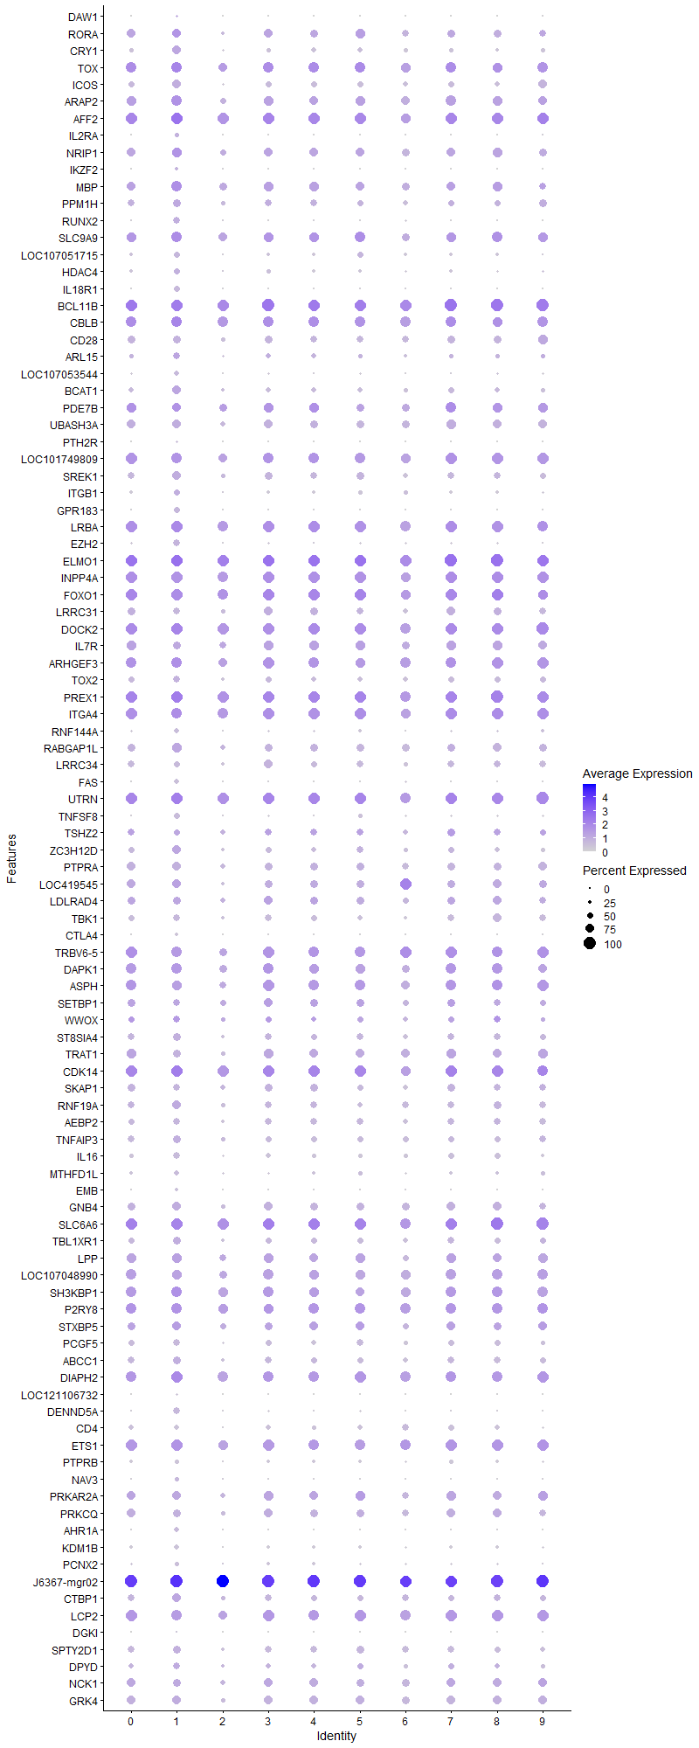
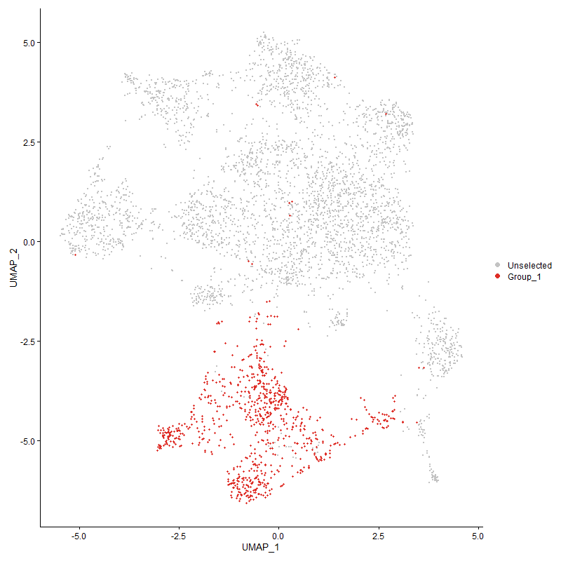
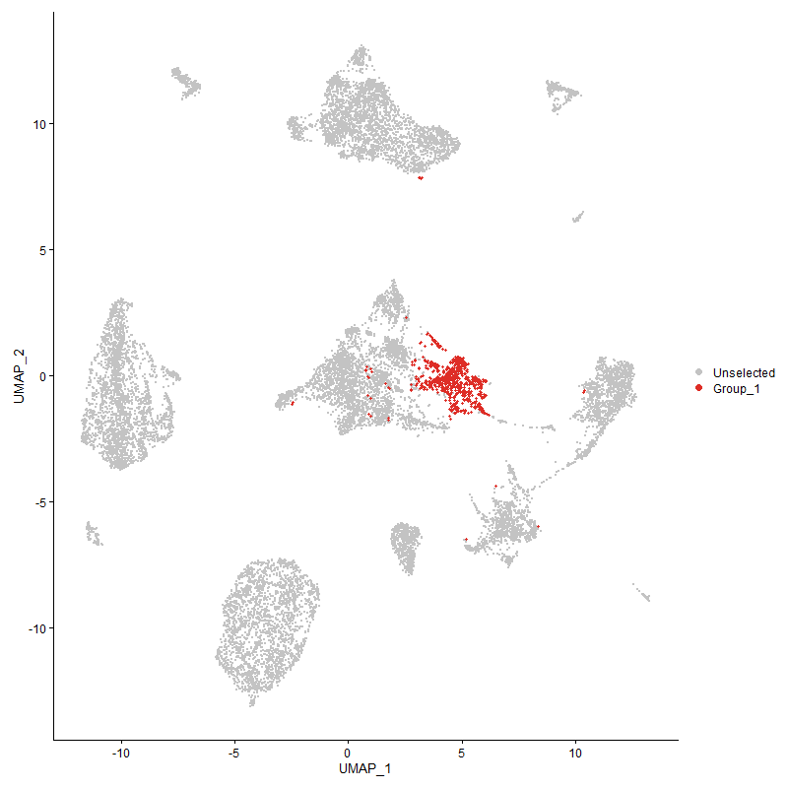
 | p_val | avg_log2FC | pct.1 | pct.2 | p_val_adj | cluster | gene
DAW1 | 4.5177483591E-189 | 1.4710974786 | 0.151 | 0.011 | 6.8990535191E-185 | 1 | DAW1
RORA1 | 2.7275880316E-152 | 1.2360209517 | 0.762 | 0.349 | 4.165299683E-148 | 1 | RORA
CRY1 | 2.4162302775E-250 | 1.1228976363 | 0.738 | 0.248 | 3.6898252568E-246 | 1 | CRY1
TOX1 | 3.0630154195E-152 | 1.1028402298 | 0.902 | 0.505 | 4.6775308471E-148 | 1 | TOX
ICOS1 | 0 | 1.0870382892 | 0.695 | 0.132 | 0 | 1 | ICOS
ARAP21 | 3.8934903788E-167 | 1.0620674772 | 0.904 | 0.543 | 5.9457491575E-163 | 1 | ARAP2
AFF21 | 1.2460703459E-129 | 1.0533305696 | 0.955 | 0.86 | 1.9028740252E-125 | 1 | AFF2
IL2RA | 9.493757084E-135 | 1.0408848572 | 0.315 | 0.074 | 1.4497916443E-130 | 1 | IL2RA
NRIP1 | 1.4775048588E-120 | 0.99907750142 | 0.832 | 0.497 | 2.2562976698E-116 | 1 | NRIP1
IKZF2 | 9.3650909856E-120 | 0.98325645627 | 0.29 | 0.067 | 1.4301430444E-115 | 1 | IKZF2
MBP | 2.3677322002E-85 | 0.90012357965 | 0.856 | 0.661 | 3.615763843E-81 | 1 | MBP
PPM1H1 | 2.77879735E-162 | 0.89247172567 | 0.666 | 0.248 | 4.2435014332E-158 | 1 | PPM1H
RUNX2 | 4.8422658015E-143 | 0.88606397063 | 0.541 | 0.191 | 7.3946241055E-139 | 1 | RUNX2
SLC9A91 | 6.7312568868E-88 | 0.87804298104 | 0.876 | 0.623 | 1.0279302392E-83 | 1 | SLC9A9
LOC1070517151 | 8.005982944E-296 | 0.86374507189 | 0.469 | 0.079 | 1.2225936554E-291 | 1 | LOC107051715
HDAC4 | 2.5213579411E-89 | 0.84441421799 | 0.469 | 0.201 | 3.8503657119E-85 | 1 | HDAC4
IL18R1 | 0 | 0.83976227558 | 0.497 | 0.065 | 0 | 1 | IL18R1
BCL11B1 | 8.4066373632E-124 | 0.83731003421 | 0.975 | 0.611 | 1.2837775917E-119 | 1 | BCL11B
CBLB1 | 9.1091912993E-79 | 0.81392460651 | 0.898 | 0.665 | 1.3910646033E-74 | 1 | CBLB
CD281 | 6.3434336918E-232 | 0.81101450964 | 0.656 | 0.186 | 9.6870575908E-228 | 1 | CD28
ARL15 | 4.1174858358E-84 | 0.8043396317 | 0.58 | 0.28 | 6.2878126199E-80 | 1 | ARL15
LOC107053544 | 9.0358156905E-297 | 0.80256007754 | 0.445 | 0.07 | 1.3798594141E-292 | 1 | LOC107053544
BCAT1 | 2.0203093842E-77 | 0.79985656815 | 0.685 | 0.411 | 3.0852144606E-73 | 1 | BCAT1
PDE7B1 | 3.5396599007E-78 | 0.77429273377 | 0.759 | 0.434 | 5.4054146343E-74 | 1 | PDE7B
UBASH3A1 | 9.2298016129E-165 | 0.74288547197 | 0.758 | 0.306 | 1.4094830043E-160 | 1 | UBASH3A
PTH2R | 0 | 0.73531607809 | 0.158 | 0.002 | 0 | 1 | PTH2R
LOC1017498091 | 3.717453804E-94 | 0.70368558884 | 0.898 | 0.541 | 5.6769237041E-90 | 1 | LOC101749809
SREK11 | 8.5234698143E-99 | 0.70277299492 | 0.697 | 0.373 | 1.3016190753E-94 | 1 | SREK1
ITGB1 | 4.1318726894E-26 | 0.69715867591 | 0.46 | 0.331 | 6.309782784E-22 | 1 | ITGB1
GPR183 | 1.6509894726E-104 | 0.68028229324 | 0.446 | 0.16 | 2.5212260236E-100 | 1 | GPR183
LRBA1 | 1.9238352311E-89 | 0.66351459914 | 0.97 | 0.785 | 2.9378887815E-85 | 1 | LRBA
EZH2 | 1.7897986296E-95 | 0.65636617689 | 0.525 | 0.217 | 2.7332014872E-91 | 1 | EZH2
ELMO11 | 5.5750936002E-99 | 0.6487583163 | 0.996 | 0.913 | 8.5137254369E-95 | 1 | ELMO1
INPP4A1 | 1.5940122422E-87 | 0.640658455 | 0.926 | 0.714 | 2.4342160951E-83 | 1 | INPP4A
FOXO11 | 3.029413187E-74 | 0.6306734614 | 0.923 | 0.673 | 4.6262168779E-70 | 1 | FOXO1
LRRC311 | 7.056070755E-140 | 0.62471387889 | 0.545 | 0.18 | 1.077532565E-135 | 1 | LRRC31
DOCK21 | 5.0600950454E-88 | 0.62333267994 | 0.975 | 0.877 | 7.7272711439E-84 | 1 | DOCK2
IL7R1 | 1.4506777319E-77 | 0.62196644264 | 0.652 | 0.335 | 2.2153299644E-73 | 1 | IL7R
ARHGEF31 | 1.6852385062E-70 | 0.61396684657 | 0.902 | 0.639 | 2.5735277228E-66 | 1 | ARHGEF3
TOX21 | 8.2347836388E-79 | 0.61394988741 | 0.566 | 0.275 | 1.2575338095E-74 | 1 | TOX2
PREX11 | 1.6594457408E-85 | 0.60418880868 | 0.984 | 0.884 | 2.5341395908E-81 | 1 | PREX1
ITGA41 | 2.7044459387E-64 | 0.60134982991 | 0.9 | 0.788 | 4.129959393E-60 | 1 | ITGA4
RNF144A | 9.9277118013E-132 | 0.59944673573 | 0.385 | 0.103 | 1.5160608692E-127 | 1 | RNF144A
RABGAP1L | 8.8031798129E-78 | 0.59539455225 | 0.776 | 0.507 | 1.3443335892E-73 | 1 | RABGAP1L
LRRC341 | 2.7900407519E-134 | 0.5762571139 | 0.513 | 0.169 | 4.2606712322E-130 | 1 | LRRC34
FAS | 2.1972602577E-185 | 0.55128332608 | 0.438 | 0.1 | 3.3554361396E-181 | 1 | FAS
UTRN1 | 1.1407967925E-73 | 0.53291679744 | 0.987 | 0.917 | 1.7421107818E-69 | 1 | UTRN
TNFSF8 | 7.6264267941E-108 | 0.52812123058 | 0.462 | 0.16 | 1.1646316357E-103 | 1 | TNFSF8
TSHZ21 | 1.3084659785E-37 | 0.52619979176 | 0.508 | 0.288 | 1.9981583957E-33 | 1 | TSHZ2
ZC3H12D | 5.1422341787E-80 | 0.52576019437 | 0.728 | 0.393 | 7.8527058143E-76 | 1 | ZC3H12D
PTPRA1 | 1.0784579073E-86 | 0.52554152762 | 0.706 | 0.367 | 1.6469130703E-82 | 1 | PTPRA
LOC4195451 | 1.2786533193E-31 | 0.52498411855 | 0.694 | 0.512 | 1.9526314839E-27 | 1 | LOC419545
LDLRAD41 | 1.1870476277E-43 | 0.5240473201 | 0.652 | 0.425 | 1.8127404323E-39 | 1 | LDLRAD4
TBK11 | 5.0264457352E-75 | 0.52333467549 | 0.55 | 0.273 | 7.6758852822E-71 | 1 | TBK1
CTLA4 | 0 | 0.52282490711 | 0.284 | 0.012 | 0 | 1 | CTLA4
TRBV6-51 | 1.2983372361E-58 | 0.5159688681 | 0.861 | 0.588 | 1.9826907933E-54 | 1 | TRBV6-5
DAPK11 | 5.2428215642E-49 | 0.51368633681 | 0.869 | 0.69 | 8.0063128107E-45 | 1 | DAPK1
ASPH1 | 1.0590511236E-50 | 0.51095239638 | 0.76 | 0.498 | 1.6172769709E-46 | 1 | ASPH
SETBP11 | 5.0168390777E-39 | 0.51061505143 | 0.58 | 0.354 | 7.6612149556E-35 | 1 | SETBP1
WWOX1 | 9.5516391816E-32 | 0.50936736667 | 0.559 | 0.364 | 1.4586308194E-27 | 1 | WWOX
ST8SIA41 | 1.0523980096E-57 | 0.49353559576 | 0.647 | 0.382 | 1.6071170005E-53 | 1 | ST8SIA4
TRAT11 | 6.1903892127E-81 | 0.49329080801 | 0.623 | 0.285 | 9.4533433667E-77 | 1 | TRAT1
CDK14 | 9.4884241938E-55 | 0.48901796698 | 0.98 | 0.766 | 1.4489772586E-50 | 1 | CDK14
SKAP11 | 1.8021404771E-69 | 0.48519212317 | 0.571 | 0.271 | 2.7520487225E-65 | 1 | SKAP1
RNF19A | 7.89194457E-46 | 0.48094517697 | 0.711 | 0.508 | 1.2051788553E-41 | 1 | RNF19A
AEBP21 | 6.1749203632E-55 | 0.47854302674 | 0.541 | 0.296 | 9.4297208867E-51 | 1 | AEBP2
TNFAIP3 | 1.5896265005E-44 | 0.47052597494 | 0.646 | 0.431 | 2.4275186288E-40 | 1 | TNFAIP3
IL16 | 8.1274739418E-91 | 0.4703320294 | 0.557 | 0.241 | 1.2411465457E-86 | 1 | IL16
MTHFD1L | 2.9502578883E-62 | 0.46838549249 | 0.396 | 0.167 | 4.5053388212E-58 | 1 | MTHFD1L
EMB | 8.3236710893E-40 | 0.46606434312 | 0.262 | 0.112 | 1.271107812E-35 | 1 | EMB
GNB41 | 1.1861389143E-46 | 0.46233959407 | 0.712 | 0.494 | 1.811352736E-42 | 1 | GNB4
SLC6A61 | 2.7023466974E-40 | 0.46163664025 | 0.942 | 0.882 | 4.1267536417E-36 | 1 | SLC6A6
TBL1XR1 | 1.8810490388E-41 | 0.45341600729 | 0.671 | 0.463 | 2.8725499871E-37 | 1 | TBL1XR1
LPP1 | 1.3474017136E-83 | 0.44916657117 | 0.834 | 0.5 | 2.0576171569E-79 | 1 | LPP
LOC1070489901 | 2.802906599E-45 | 0.44779978247 | 0.823 | 0.605 | 4.2803186674E-41 | 1 | LOC107048990
SH3KBP1 | 2.4477723554E-32 | 0.44554132353 | 0.892 | 0.795 | 3.737993164E-28 | 1 | SH3KBP1
P2RY81 | 3.2586134036E-42 | 0.44291589534 | 0.903 | 0.709 | 4.9762285286E-38 | 1 | P2RY8
STXBP51 | 2.4083778869E-21 | 0.44271264083 | 0.709 | 0.577 | 3.6778338711E-17 | 1 | STXBP5
PCGF51 | 3.680738039E-60 | 0.44217395648 | 0.536 | 0.277 | 5.6208550593E-56 | 1 | PCGF5
ABCC1 | 7.7267960608E-41 | 0.44060093778 | 0.67 | 0.458 | 1.1799590264E-36 | 1 | ABCC1
DIAPH2 | 1.980913234E-44 | 0.43456703391 | 0.967 | 0.901 | 3.0250525996E-40 | 1 | DIAPH2
LOC121106732 | 3.1028573116E-137 | 0.43433380109 | 0.188 | 0.026 | 4.7383734006E-133 | 1 | LOC121106732
DENND5A | 1.3939425548E-48 | 0.43248445049 | 0.527 | 0.288 | 2.1286896754E-44 | 1 | DENND5A
CD41 | 9.6649809136E-145 | 0.4171926217 | 0.407 | 0.104 | 1.4759392353E-140 | 1 | CD4
ETS11 | 1.4401145336E-46 | 0.4155307265 | 0.917 | 0.713 | 2.1991989043E-42 | 1 | ETS1
PTPRB1 | 5.2326521322E-109 | 0.41252962794 | 0.318 | 0.084 | 7.9907830711E-105 | 1 | PTPRB
NAV3 | 3.6076044901E-21 | 0.41243560985 | 0.348 | 0.209 | 5.5091728169E-17 | 1 | NAV3
PRKAR2A1 | 7.0051597759E-44 | 0.41137222441 | 0.724 | 0.471 | 1.0697579494E-39 | 1 | PRKAR2A
PRKCQ1 | 7.9167222389E-42 | 0.40781745598 | 0.637 | 0.398 | 1.2089626531E-37 | 1 | PRKCQ
AHR1A | 4.2343263878E-30 | 0.40752059619 | 0.375 | 0.213 | 6.4662398269E-26 | 1 | AHR1A
KDM1B | 7.8325219031E-95 | 0.40372204301 | 0.368 | 0.12 | 1.1961044198E-90 | 1 | KDM1B
PCNX2 | 2.4283830132E-58 | 0.39709612797 | 0.359 | 0.147 | 3.7083836994E-54 | 1 | PCNX2
J6367-mgr02 | 2.8226527549E-42 | 0.39696732742 | 1 | 1 | 4.3104730219E-38 | 1 | J6367-mgr02
CTBP1 | 3.386256478E-34 | 0.39417312989 | 0.755 | 0.547 | 5.1711522676E-30 | 1 | CTBP1
LCP21 | 1.0837368031E-40 | 0.39013166192 | 0.88 | 0.652 | 1.654974472E-36 | 1 | LCP2
DGKI | 6.3661696304E-73 | 0.38728696526 | 0.132 | 0.024 | 9.7217776426E-69 | 1 | DGKI
SPTY2D1 | 1.1526208281E-45 | 0.38675798818 | 0.681 | 0.437 | 1.7601672666E-41 | 1 | SPTY2D1
DPYD | 1.9682852116E-24 | 0.38356896897 | 0.567 | 0.394 | 3.0057683467E-20 | 1 | DPYD
NCK11 | 4.8568920922E-31 | 0.38211501225 | 0.676 | 0.483 | 7.416959914E-27 | 1 | NCK1
GRK41 | 9.7933360774E-42 | 0.37872638673 | 0.75 | 0.524 | 1.4955403524E-37 | 1 | GRK4
SNRK1 | 1.0387060397E-43 | 0.37843830158 | 0.575 | 0.337 | 1.5862079932E-39 | 1 | SNRK
CTDSPL1 | 9.567220923E-40 | 0.37711261627 | 0.614 | 0.39 | 1.4610103072E-35 | 1 | CTDSPL
SLA1 | 4.9051113734E-29 | 0.37612855048 | 0.68 | 0.48 | 7.4905955783E-25 | 1 | SLA
OSBPL8 | 6.5190641504E-35 | 0.37537934858 | 0.544 | 0.347 | 9.955262864E-31 | 1 | OSBPL8
ARHGAP6 | 8.8283747488E-36 | 0.37252648048 | 0.516 | 0.302 | 1.3481811079E-31 | 1 | ARHGAP6
BMP2K | 3.8725969746E-22 | 0.36746523101 | 0.718 | 0.566 | 5.9138428398E-18 | 1 | BMP2K
CELF21 | 2.7645719067E-38 | 0.36681592035 | 0.985 | 0.917 | 4.2217777588E-34 | 1 | CELF2
RAI2 | 3.0764648031E-149 | 0.36434110575 | 0.281 | 0.052 | 4.6980694008E-145 | 1 | RAI2
MBOAT11 | 7.2811649823E-34 | 0.36301638944 | 0.739 | 0.526 | 1.1119067044E-29 | 1 | MBOAT1
FAM65B1 | 8.395257736E-39 | 0.36222375876 | 0.806 | 0.575 | 1.2820398089E-34 | 1 | FAM65B
DUSP1 | 1.9286329949E-30 | 0.35857624807 | 0.552 | 0.36 | 2.9452154465E-26 | 1 | DUSP1
DIP2B1 | 6.5921889592E-33 | 0.35853253929 | 0.646 | 0.44 | 1.006693176E-28 | 1 | DIP2B
TNFSF11 | 4.3589838068E-20 | 0.35614842557 | 0.271 | 0.155 | 6.6566041714E-16 | 1 | TNFSF11
RGS1 | 5.8564187654E-29 | 0.35601833288 | 0.786 | 0.593 | 8.9433370966E-25 | 1 | RGS1
PAK3 | 4.2493971133E-59 | 0.35328448773 | 0.434 | 0.195 | 6.4892543317E-55 | 1 | PAK3
HLCS1 | 4.0327040888E-20 | 0.35016114765 | 0.527 | 0.368 | 6.1583424141E-16 | 1 | HLCS
GALNT91 | 3.1364135562E-32 | 0.34981128641 | 0.242 | 0.106 | 4.7896171416E-28 | 1 | GALNT9
TRAPPC9 | 3.2911268337E-15 | 0.34722430883 | 0.544 | 0.414 | 5.0258797877E-11 | 1 | TRAPPC9
SNTB11 | 3.456241115E-62 | 0.3468333719 | 0.288 | 0.099 | 5.2780258067E-58 | 1 | SNTB1
RGS91 | 2.2642814383E-40 | 0.34624732794 | 0.503 | 0.292 | 3.4577841844E-36 | 1 | RGS9
CCNY1 | 7.4241928026E-23 | 0.34233454155 | 0.658 | 0.476 | 1.1337484829E-18 | 1 | CCNY
STAT41 | 5.5057670493E-25 | 0.33729550073 | 0.561 | 0.384 | 8.407856861E-21 | 1 | STAT4
TXK1 | 2.0167424296E-44 | 0.33716920047 | 0.57 | 0.322 | 3.0797673642E-40 | 1 | TXK
MGAT4A1 | 1.3306006127E-35 | 0.33488340977 | 0.798 | 0.568 | 2.0319601956E-31 | 1 | MGAT4A
CD47 | 3.554470686E-26 | 0.3345694449 | 0.769 | 0.617 | 5.4280321846E-22 | 1 | CD47
TCF71 | 7.3687852421E-46 | 0.32953284085 | 0.861 | 0.514 | 1.1252871943E-41 | 1 | TCF7
AKAP13 | 6.6128977518E-31 | 0.32773020889 | 0.96 | 0.913 | 1.0098556157E-26 | 1 | AKAP13
ARHGAP291 | 3.3245226474E-33 | 0.32662256657 | 0.654 | 0.414 | 5.0768785348E-29 | 1 | ARHGAP29
PPIL4 | 1.5388822096E-48 | 0.32442569334 | 0.387 | 0.183 | 2.3500270222E-44 | 1 | PPIL4
STK17B | 1.581553342E-29 | 0.32158088338 | 0.656 | 0.439 | 2.4151901086E-25 | 1 | STK17B
SUPT3H1 | 7.7202130085E-23 | 0.32088715394 | 0.496 | 0.322 | 1.1789537285E-18 | 1 | SUPT3H
CCNJL | 9.7591566342E-206 | 0.31802027613 | 0.156 | 0.011 | 1.4903208096E-201 | 1 | CCNJL
SH2D1A | 1.4870750782E-75 | 0.31731515256 | 0.444 | 0.173 | 2.2709123519E-71 | 1 | SH2D1A
IGF1R | 8.116109049E-17 | 0.31285434326 | 0.496 | 0.349 | 1.2394110129E-12 | 1 | IGF1R
NAP1L4 | 5.1601406879E-35 | 0.31268743504 | 0.544 | 0.337 | 7.8800508445E-31 | 1 | NAP1L4
ITGA11 | 2.3239679257E-30 | 0.31147591374 | 0.448 | 0.263 | 3.5489314193E-26 | 1 | ITGA1
FAM49A1 | 4.7624969104E-19 | 0.31109346819 | 0.74 | 0.604 | 7.2728090319E-15 | 1 | FAM49A
PLCG1 | 1.0808298327E-45 | 0.30860231027 | 0.48 | 0.252 | 1.6505352376E-41 | 1 | PLCG1
FOXK21 | 5.5178821774E-24 | 0.30790580099 | 0.67 | 0.492 | 8.4263578731E-20 | 1 | FOXK2
ERBIN1 | 9.018448309E-22 | 0.3073879426 | 0.77 | 0.621 | 1.3772072413E-17 | 1 | ERBIN
DENND1B | 4.3347155508E-31 | 0.3072935435 | 0.91 | 0.796 | 6.6195441176E-27 | 1 | DENND1B
PHACTR21 | 2.0112308787E-22 | 0.30564765212 | 0.429 | 0.273 | 3.0713506748E-18 | 1 | PHACTR2
MACROD21 | 1.0074482716E-13 | 0.30509358698 | 0.527 | 0.402 | 1.5384742556E-09 | 1 | MACROD2
IKZF11 | 3.9039506901E-19 | 0.30128178124 | 0.864 | 0.734 | 5.9617230989E-15 | 1 | IKZF1
NDFIP2 | 7.9810908022E-30 | 0.29963749624 | 0.459 | 0.278 | 1.2187923764E-25 | 1 | NDFIP2
RASA31 | 1.5933591629E-21 | 0.29917204978 | 0.957 | 0.872 | 2.4332187776E-17 | 1 | RASA3
CLINT1 | 1.0346777258E-27 | 0.29820051745 | 0.46 | 0.288 | 1.5800563551E-23 | 1 | CLINT1
AGO3 | 8.6868910452E-31 | 0.29807055663 | 0.419 | 0.245 | 1.3265751315E-26 | 1 | AGO3
PTPRC1 | 6.694476943E-29 | 0.29600106271 | 0.981 | 0.947 | 1.022313574E-24 | 1 | PTPRC
LOC101750509 | 1.0266646532E-56 | 0.29597786844 | 0.192 | 0.055 | 1.567819592E-52 | 1 | LOC101750509
SLC4A111 | 5.8098311401E-31 | 0.29286491329 | 0.438 | 0.251 | 8.8721931341E-27 | 1 | SLC4A11
ERN1 | 1.8113916457E-25 | 0.29127698454 | 0.195 | 0.089 | 2.7661761822E-21 | 1 | ERN1
LOC1211090661 | 5.0266645873E-25 | 0.29069561925 | 0.858 | 0.685 | 7.6762194913E-21 | 1 | LOC121109066
SH3RF3 | 0.0002137544937 | 0.2902630357 | 0.175 | 0.131 | 1 | 1 | SH3RF3
IGF2BP31 | 2.0844761178E-32 | 0.28894119811 | 0.409 | 0.221 | 3.1832034795E-28 | 1 | IGF2BP3
LOC112531858 | 1.032010898E-21 | 0.28790770565 | 0.251 | 0.131 | 1.5759838423E-17 | 1 | LOC112531858
ARHGAP151 | 2.9973692922E-30 | 0.28647493916 | 1 | 0.982 | 4.5772826461E-26 | 1 | ARHGAP15
PRKCA1 | 1.6201115912E-40 | 0.28592739977 | 0.299 | 0.132 | 2.4740724109E-36 | 1 | PRKCA
PPM1A1 | 1.0126310811E-29 | 0.28591614088 | 0.449 | 0.27 | 1.546388924E-25 | 1 | PPM1A
PSTPIP1 | 3.7242323915E-23 | 0.28552812012 | 0.634 | 0.474 | 5.687275285E-19 | 1 | PSTPIP1
PPP1R12A1 | 3.3312413533E-23 | 0.28388663088 | 0.897 | 0.814 | 5.0871386707E-19 | 1 | PPP1R12A
SCAI | 7.6194376252E-45 | 0.28300923666 | 0.309 | 0.133 | 1.1635643197E-40 | 1 | SCAI
SMCHD11 | 2.7323997093E-20 | 0.28300724077 | 0.689 | 0.533 | 4.1726475961E-16 | 1 | SMCHD1
BRSK11 | 1.3355178526E-28 | 0.28235235769 | 0.793 | 0.556 | 2.0394693127E-24 | 1 | BRSK1
CD51 | 1.571381963E-57 | 0.28143372276 | 0.296 | 0.11 | 2.3996573957E-53 | 1 | CD5
TNFRSF4 | 4.4719955653E-114 | 0.27980671435 | 0.16 | 0.022 | 6.8291844277E-110 | 1 | TNFRSF4
J6367-mgr01 | 2.0670570877E-30 | 0.27727162952 | 1 | 0.999 | 3.1566028786E-26 | 1 | J6367-mgr01
CLCN3 | 7.0088888684E-19 | 0.27633868988 | 0.324 | 0.198 | 1.0703274191E-14 | 1 | CLCN3
CDC42SE2 | 9.7495271252E-18 | 0.27626561649 | 0.527 | 0.378 | 1.4888502873E-13 | 1 | CDC42SE2
SYNE11 | 2.6858756837E-22 | 0.27389825351 | 0.914 | 0.762 | 4.1016007566E-18 | 1 | SYNE1
TSPAN4 | 6.9304717882E-21 | 0.27313273293 | 0.898 | 0.78 | 1.0583523468E-16 | 1 | TSPAN4
ITK1 | 1.5141187464E-26 | 0.27171562488 | 0.454 | 0.275 | 2.3122107376E-22 | 1 | ITK
PELI3 | 3.7151569167E-19 | 0.26470360546 | 0.613 | 0.448 | 5.6734161274E-15 | 1 | PELI3
MAN1A11 | 2.4777522605E-26 | 0.26433706559 | 0.961 | 0.878 | 3.7837754769E-22 | 1 | MAN1A1
RASA11 | 2.5785383556E-23 | 0.26275980807 | 0.357 | 0.208 | 3.9376859228E-19 | 1 | RASA1
RGS17 | 1.2792121378E-24 | 0.26020221323 | 0.197 | 0.087 | 1.9534848557E-20 | 1 | RGS17
PDE3B1 | 3.434959922E-24 | 0.26007613826 | 0.924 | 0.796 | 5.2455272968E-20 | 1 | PDE3B
HNRNPLL1 | 2.0215076E-22 | 0.25979935437 | 0.424 | 0.265 | 3.0870442559E-18 | 1 | HNRNPLL
KLF3 | 2.3745079913E-35 | 0.25935904221 | 0.261 | 0.115 | 3.6261111535E-31 | 1 | KLF3
PAK1 | 7.0362749484E-46 | 0.25860814427 | 0.3 | 0.124 | 1.0745095474E-41 | 1 | PAK1
SLC38A6 | 5.5164356534E-22 | 0.25790268306 | 0.455 | 0.29 | 8.4241488862E-18 | 1 | SLC38A6
SMAP11 | 8.6666538657E-21 | 0.25771476195 | 0.515 | 0.35 | 1.3234847118E-16 | 1 | SMAP1
TBC1D12 | 2.0977677223E-33 | 0.25668850587 | 0.277 | 0.131 | 3.2035010887E-29 | 1 | TBC1D12
SGK3 | 4.3036481051E-30 | 0.25329503408 | 0.372 | 0.204 | 6.5721010212E-26 | 1 | SGK3
SAMSN1 | 1.7881782527E-23 | 0.2527569268 | 0.794 | 0.607 | 2.7307270096E-19 | 1 | SAMSN1
MAP3K4 | 1.1131477989E-25 | 0.25165201191 | 0.459 | 0.282 | 1.6998880037E-21 | 1 | MAP3K4
MICAL2 | 2.979874662E-22 | 0.25141085871 | 0.206 | 0.1 | 4.5505665963E-18 | 1 | MICAL2
EML4 | 2.4870040954E-38 | 0.25049745071 | 0.637 | 0.387 | 3.7979039541E-34 | 1 | EML4

Cluster2
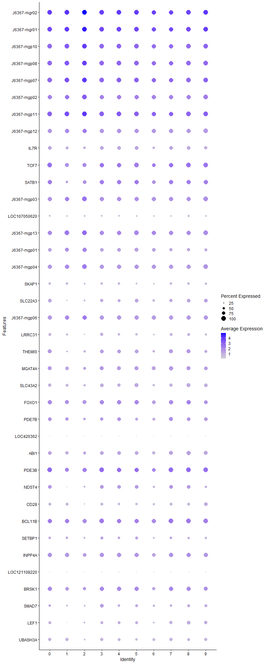
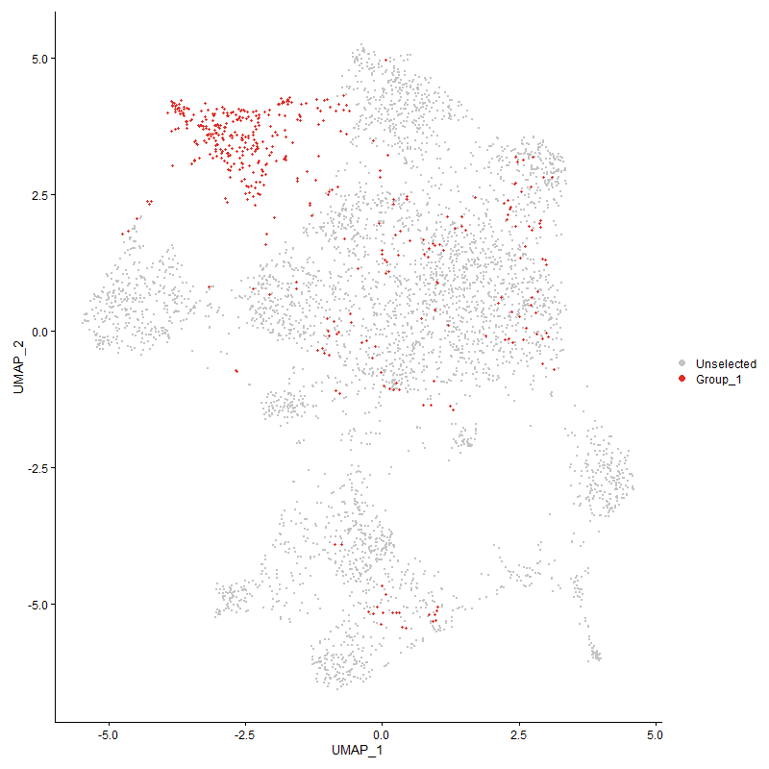
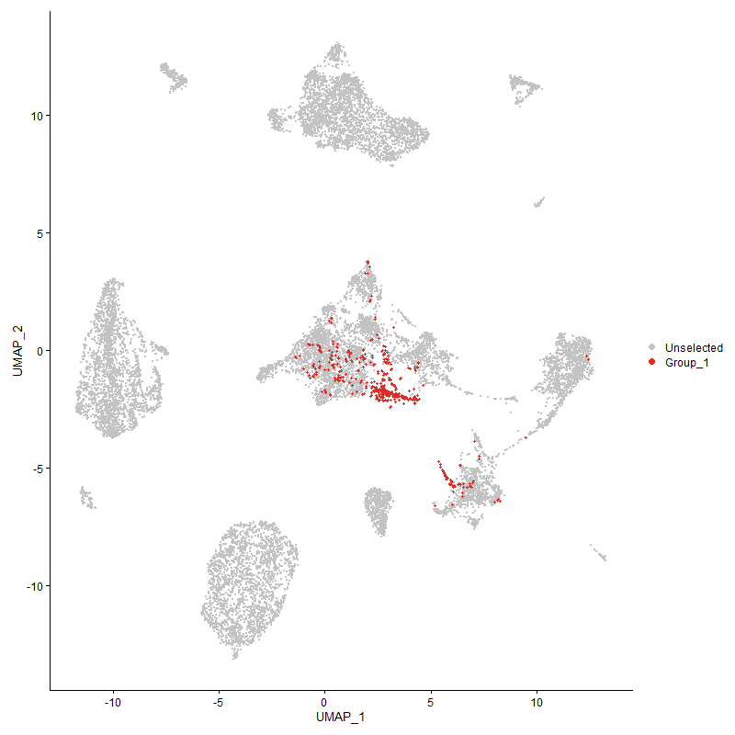
 | p_val | avg_log2FC | pct.1 | pct.2 | p_val_adj | cluster | gene
J6367-mgr021 | 6.427873107E-192 | 1.452615174 | 1 | 1 | 9.8160050217E-188 | 2 | J6367-mgr02
J6367-mgr011 | 3.1883708995E-180 | 1.2425502094 | 1 | 0.999 | 4.8689612006E-176 | 2 | J6367-mgr01
J6367-mgp10 | 4.5725528016E-123 | 1.0592412492 | 1 | 0.999 | 6.9827453833E-119 | 2 | J6367-mgp10
J6367-mgp08 | 1.0000962332E-103 | 0.97844889414 | 1 | 0.999 | 1.5272469577E-99 | 2 | J6367-mgp08
J6367-mgp07 | 3.3081324758E-92 | 0.88032328968 | 1 | 1 | 5.0518491037E-88 | 2 | J6367-mgp07
J6367-mgp02 | 1.1434900228E-85 | 0.87058190757 | 1 | 0.995 | 1.7462236138E-81 | 2 | J6367-mgp02
J6367-mgp11 | 4.11957103E-102 | 0.86700259412 | 1 | 1 | 6.2909969198E-98 | 2 | J6367-mgp11
J6367-mgp12 | 9.4619232003E-62 | 0.67990264894 | 0.993 | 0.972 | 1.4449302919E-57 | 2 | J6367-mgp12
IL7R2 | 8.1066845821E-42 | 0.67900296791 | 0.601 | 0.343 | 1.2379718025E-37 | 2 | IL7R
TCF72 | 1.3453221676E-56 | 0.62487708689 | 0.922 | 0.52 | 2.0544414822E-52 | 2 | TCF7
SATB11 | 1.2949090026E-52 | 0.60568238483 | 0.807 | 0.44 | 1.9774555379E-48 | 2 | SATB1
J6367-mgp03 | 4.5838766709E-45 | 0.57149713151 | 1 | 0.988 | 7.0000380641E-41 | 2 | J6367-mgp03
LOC107050620 | 0.0013391992272 | 0.52896353954 | 0.374 | 0.388 | 1 | 2 | LOC107050620
J6367-mgp13 | 3.8509082762E-37 | 0.52381271332 | 1 | 0.996 | 5.8807220286E-33 | 2 | J6367-mgp13
J6367-mgp01 | 1.3856419977E-16 | 0.47471993488 | 0.957 | 0.878 | 2.1160138948E-12 | 2 | J6367-mgp01
J6367-mgp04 | 1.2994991679E-26 | 0.4561996147 | 0.996 | 0.975 | 1.9844651793E-22 | 2 | J6367-mgp04
SKAP12 | 8.2521220717E-16 | 0.41891879232 | 0.424 | 0.281 | 1.2601815616E-11 | 2 | SKAP1
SLC22A31 | 5.0380335997E-21 | 0.41255575728 | 0.455 | 0.264 | 7.69358111E-17 | 2 | SLC22A3
J6367-mgp06 | 1.0766517758E-26 | 0.39984797177 | 0.991 | 0.975 | 1.6441549268E-22 | 2 | J6367-mgp06
LRRC312 | 6.2130734116E-15 | 0.38526697585 | 0.327 | 0.194 | 9.4879844068E-11 | 2 | LRRC31
THEMIS1 | 2.940702244E-22 | 0.37452755745 | 0.525 | 0.307 | 4.4907463968E-18 | 2 | THEMIS
MGAT4A2 | 2.7923009784E-14 | 0.3726353424 | 0.673 | 0.576 | 4.2641228241E-10 | 2 | MGAT4A
SLC43A21 | 6.4639991387E-07 | 0.36461068816 | 0.538 | 0.54 | 0.0098711730848 | 2 | SLC43A2
FOXO12 | 6.911359746E-16 | 0.36272311951 | 0.83 | 0.681 | 1.0554337468E-11 | 2 | FOXO1
PDE7B2 | 4.195587848E-15 | 0.36004623218 | 0.614 | 0.444 | 6.4070822027E-11 | 2 | PDE7B
LOC420362 | 0.026517966551 | 0.34001774522 | 0.17 | 0.147 | 1 | 2 | LOC420362
ABI11 | 3.1753754521E-06 | 0.33613786623 | 0.655 | 0.685 | 0.048491158529 | 2 | ABI1
PDE3B2 | 2.5882194358E-23 | 0.32893869383 | 0.969 | 0.798 | 3.9524699004E-19 | 2 | PDE3B
NDST41 | 2.6299205114E-18 | 0.31530743496 | 0.487 | 0.286 | 4.016151613E-14 | 2 | NDST4
CD282 | 5.992564161E-12 | 0.30407012005 | 0.321 | 0.205 | 9.1512447303E-08 | 2 | CD28
BCL11B2 | 7.0711382352E-19 | 0.30229979268 | 0.944 | 0.62 | 1.0798335199E-14 | 2 | BCL11B
SETBP12 | 5.9471903941E-07 | 0.30221265828 | 0.455 | 0.362 | 0.0090819544508 | 2 | SETBP1
INPP4A2 | 1.1315535302E-09 | 0.29737091103 | 0.794 | 0.722 | 1.7279953959E-05 | 2 | INPP4A
LOC121108220 | 0.086661374818 | 0.29119464399 | 0.197 | 0.191 | 1 | 2 | LOC121108220
BRSK12 | 2.1281734504E-13 | 0.28329072306 | 0.735 | 0.562 | 3.249933676E-09 | 2 | BRSK1
SMAD71 | 3.4757146741E-07 | 0.28307315691 | 0.386 | 0.3 | 0.0053077638788 | 2 | SMAD7
LEF11 | 1.06878809E-07 | 0.27367650331 | 0.433 | 0.336 | 0.0016321462922 | 2 | LEF1
UBASH3A2 | 0.00017621003898 | 0.26750389247 | 0.374 | 0.326 | 1 | 2 | UBASH3A

Cluster3
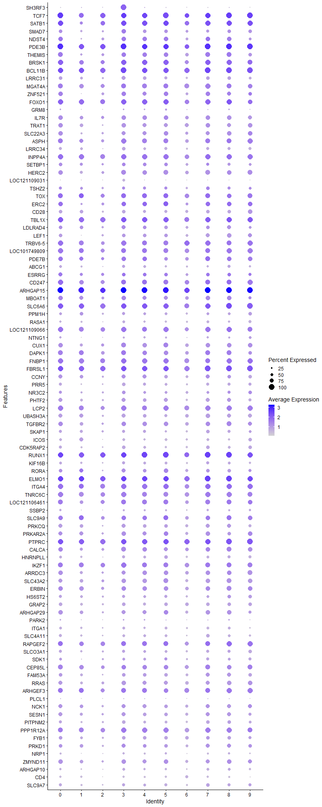
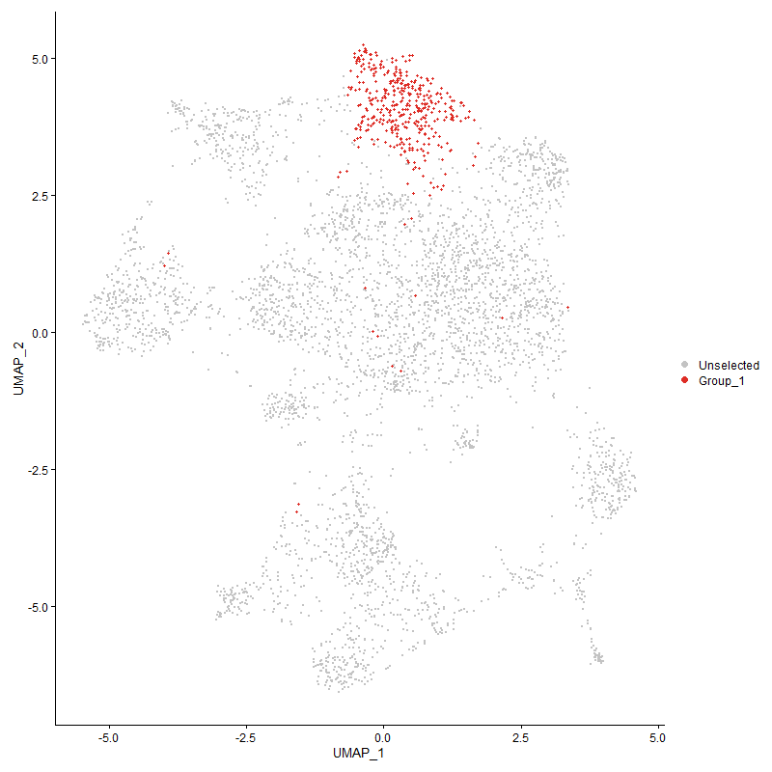
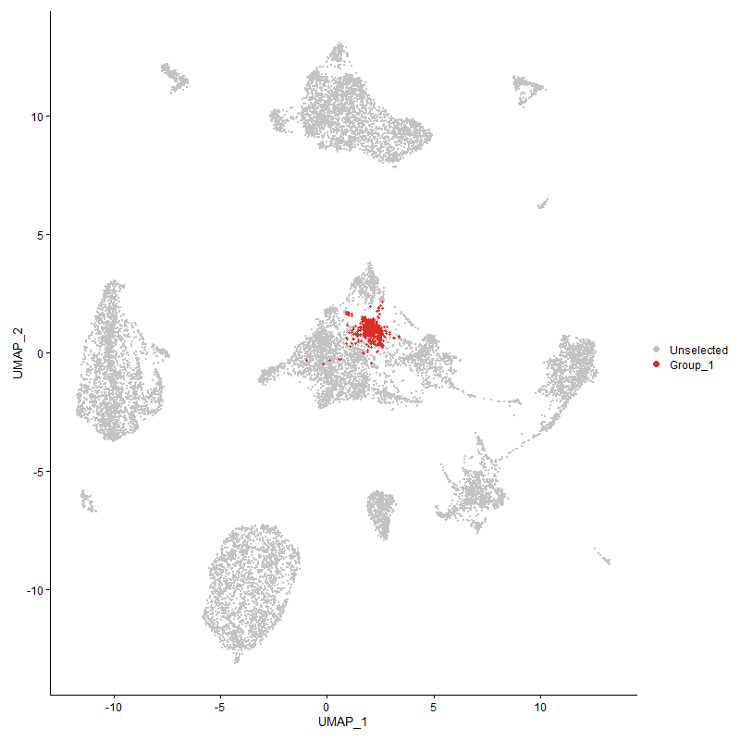
 | p_val | avg_log2FC | pct.1 | pct.2 | p_val_adj | cluster | gene
SH3RF31 | 0 | 2.4848436708 | 1 | 0.112 | 0 | 3 | SH3RF3
TCF73 | 3.8222569427E-161 | 1.4883425879 | 0.998 | 0.519 | 5.8369685772E-157 | 3 | TCF7
SATB12 | 6.1465491895E-156 | 1.4532685543 | 0.98 | 0.437 | 9.3863952674E-152 | 3 | SATB1
SMAD72 | 5.8195642487E-157 | 1.3471182344 | 0.84 | 0.289 | 8.8870565641E-153 | 3 | SMAD7
NDST42 | 4.168207947E-134 | 1.2349685515 | 0.816 | 0.278 | 6.3652703559E-130 | 3 | NDST4
PDE3B3 | 2.1305773421E-116 | 1.1594022688 | 1 | 0.797 | 3.2536046591E-112 | 3 | PDE3B
THEMIS2 | 1.9106815547E-128 | 1.1551194377 | 0.833 | 0.3 | 2.9178018021E-124 | 3 | THEMIS
BRSK13 | 1.7888430496E-100 | 1.0866941924 | 0.968 | 0.557 | 2.731742221E-96 | 3 | BRSK1
BCL11B3 | 1.8526729209E-93 | 1.0196108222 | 1 | 0.619 | 2.8292168175E-89 | 3 | BCL11B
LRRC313 | 7.2158372988E-166 | 0.94241697443 | 0.72 | 0.184 | 1.1019305139E-161 | 3 | LRRC31
MGAT4A3 | 1.3040628057E-73 | 0.93170626751 | 0.899 | 0.57 | 1.9914343106E-69 | 3 | MGAT4A
ZNF5211 | 1.3299399E-76 | 0.89733025347 | 0.781 | 0.348 | 2.0309512213E-72 | 3 | ZNF521
FOXO13 | 1.1717579937E-76 | 0.88077329216 | 0.975 | 0.677 | 1.7893916321E-72 | 3 | FOXO1
GRM81 | 9.9826735375E-53 | 0.86478834069 | 0.297 | 0.084 | 1.5244540759E-48 | 3 | GRM8
IL7R3 | 2.5076809908E-97 | 0.86265491397 | 0.823 | 0.338 | 3.8294796411E-93 | 3 | IL7R
TRAT12 | 2.7412791462E-104 | 0.85566170928 | 0.779 | 0.289 | 4.1862073841E-100 | 3 | TRAT1
SLC22A32 | 3.8692654045E-106 | 0.84814585453 | 0.752 | 0.257 | 5.9087551993E-102 | 3 | SLC22A3
ASPH2 | 1.2170190359E-79 | 0.8454641567 | 0.919 | 0.5 | 1.8585097697E-75 | 3 | ASPH
LRRC342 | 1.259729949E-161 | 0.83249636907 | 0.688 | 0.172 | 1.9237336052E-157 | 3 | LRRC34
INPP4A3 | 1.5902318291E-65 | 0.80752645787 | 0.951 | 0.718 | 2.4284430263E-61 | 3 | INPP4A
SETBP13 | 1.1428877644E-50 | 0.79622138723 | 0.693 | 0.356 | 1.745303905E-46 | 3 | SETBP1
HERC21 | 7.1309831651E-71 | 0.78560835846 | 0.857 | 0.497 | 1.0889724391E-66 | 3 | HERC2
LOC121109031 | 0 | 0.78357394917 | 0.506 | 0.044 | 0 | 3 | LOC121109031
TSHZ22 | 5.0140108658E-45 | 0.76328636532 | 0.604 | 0.291 | 7.6568959932E-41 | 3 | TSHZ2
TOX3 | 3.0847746114E-49 | 0.73482840372 | 0.855 | 0.515 | 4.7107593091E-45 | 3 | TOX
ERC21 | 1.8186775495E-56 | 0.73419815502 | 0.801 | 0.379 | 2.7773024859E-52 | 3 | ERC2
CD283 | 4.5215187811E-127 | 0.73265703759 | 0.683 | 0.196 | 6.9048113306E-123 | 3 | CD28
TBL1X1 | 1.5872312585E-49 | 0.71590825257 | 0.958 | 0.813 | 2.4238608549E-45 | 3 | TBL1X
LDLRAD42 | 4.7533808554E-37 | 0.70347233883 | 0.7 | 0.429 | 7.2588879043E-33 | 3 | LDLRAD4
LEF12 | 5.5794409897E-57 | 0.69387741961 | 0.69 | 0.33 | 8.5203643354E-53 | 3 | LEF1
TRBV6-52 | 3.0341141089E-59 | 0.6906792565 | 0.939 | 0.593 | 4.6333956557E-55 | 3 | TRBV6-5
LOC1017498092 | 1.8697465032E-56 | 0.69025912851 | 0.907 | 0.549 | 2.855289885E-52 | 3 | LOC101749809
PDE7B3 | 6.4426058349E-41 | 0.67415784187 | 0.771 | 0.441 | 9.8385033704E-37 | 3 | PDE7B
ABCG11 | 6.2783361319E-56 | 0.67322675924 | 0.609 | 0.279 | 9.5876471071E-52 | 3 | ABCG1
ESRRG1 | 1.1390721307E-19 | 0.66493305686 | 0.683 | 0.509 | 1.7394770508E-15 | 3 | ESRRG
CD2471 | 2.0818645275E-45 | 0.65592944788 | 0.899 | 0.552 | 3.17921532E-41 | 3 | CD247
ARHGAP152 | 9.3866280359E-68 | 0.64898260574 | 1 | 0.983 | 1.4334319674E-63 | 3 | ARHGAP15
MBOAT12 | 9.8307655768E-42 | 0.63687592611 | 0.796 | 0.53 | 1.5012562112E-37 | 3 | MBOAT1
SLC6A62 | 5.6277027927E-47 | 0.63673358903 | 0.98 | 0.883 | 8.5940649347E-43 | 3 | SLC6A6
PPM1H2 | 6.4615514581E-42 | 0.62994846692 | 0.558 | 0.261 | 9.8674352317E-38 | 3 | PPM1H
RASA12 | 9.3056735522E-52 | 0.61785202965 | 0.506 | 0.208 | 1.4210694082E-47 | 3 | RASA1
LOC1211090662 | 9.3366897483E-48 | 0.61748178597 | 0.943 | 0.687 | 1.4258058915E-43 | 3 | LOC121109066
NTNG11 | 3.5540121367E-37 | 0.61661315161 | 0.327 | 0.121 | 5.427331934E-33 | 3 | NTNG1
CUX11 | 2.0185086158E-40 | 0.60441922929 | 0.865 | 0.615 | 3.0824645072E-36 | 3 | CUX1
DAPK12 | 1.0038197381E-36 | 0.60214283752 | 0.885 | 0.694 | 1.5329331221E-32 | 3 | DAPK1
FNBP11 | 7.0655436713E-43 | 0.59237094572 | 0.963 | 0.778 | 1.0789791741E-38 | 3 | FNBP1
FBRSL11 | 1.5926118804E-49 | 0.58801444297 | 0.998 | 0.95 | 2.4320776026E-45 | 3 | FBRSL1
CCNY2 | 1.477512782E-31 | 0.58403200346 | 0.722 | 0.479 | 2.2563097695E-27 | 3 | CCNY
PRR51 | 2.0295140523E-57 | 0.58398412209 | 0.629 | 0.276 | 3.0992709093E-53 | 3 | PRR5
NR3C21 | 1.3318813433E-34 | 0.57971838632 | 0.651 | 0.359 | 2.0339159994E-30 | 3 | NR3C2
PHTF21 | 2.6515292304E-42 | 0.57657820607 | 0.744 | 0.455 | 4.0491502877E-38 | 3 | PHTF2
LCP22 | 6.6603879436E-44 | 0.57612724695 | 0.948 | 0.656 | 1.0171078429E-39 | 3 | LCP2
UBASH3A3 | 1.6468775453E-64 | 0.57546532256 | 0.717 | 0.317 | 2.5149466994E-60 | 3 | UBASH3A
TGFBR21 | 2.3703695727E-39 | 0.57509819449 | 0.84 | 0.567 | 3.6197913745E-35 | 3 | TGFBR2
SKAP13 | 4.6114791508E-50 | 0.57487885013 | 0.609 | 0.277 | 7.0421898111E-46 | 3 | SKAP1
ICOS2 | 3.2861281167E-78 | 0.57043679811 | 0.494 | 0.15 | 5.0182462469E-74 | 3 | ICOS
CDK5RAP21 | 3.4532221059E-46 | 0.56469081178 | 0.619 | 0.308 | 5.2734154779E-42 | 3 | CDK5RAP2
RUNX11 | 4.7360251399E-41 | 0.56354816146 | 0.998 | 0.921 | 7.2323839912E-37 | 3 | RUNX1
KIF16B1 | 1.6736623514E-44 | 0.5633315249 | 0.607 | 0.3 | 2.5558497768E-40 | 3 | KIF16B
RORA2 | 2.6830390554E-43 | 0.5618172379 | 0.713 | 0.36 | 4.0972689415E-39 | 3 | RORA
ELMO12 | 7.2009040948E-42 | 0.55293445816 | 0.993 | 0.915 | 1.0996500643E-37 | 3 | ELMO1
ITGA42 | 2.7079456535E-42 | 0.54684009423 | 0.983 | 0.789 | 4.1353038075E-38 | 3 | ITGA4
TNRC6C1 | 4.6567095907E-47 | 0.54627144503 | 0.951 | 0.754 | 7.111261216E-43 | 3 | TNRC6C
LOC1211064611 | 8.493256158E-37 | 0.54504290782 | 0.916 | 0.615 | 1.2970051479E-32 | 3 | LOC121106461
SSBP21 | 3.7361094073E-34 | 0.54088788407 | 0.383 | 0.158 | 5.7054126759E-30 | 3 | SSBP2
SLC9A92 | 7.4854759331E-27 | 0.54022220741 | 0.83 | 0.63 | 1.1431070297E-22 | 3 | SLC9A9
PRKCQ2 | 3.4843035636E-41 | 0.52984955888 | 0.72 | 0.402 | 5.320879972E-37 | 3 | PRKCQ
PRKAR2A2 | 4.966449823E-41 | 0.5255005052 | 0.801 | 0.475 | 7.5842655247E-37 | 3 | PRKAR2A
PTPRC2 | 1.0921488391E-38 | 0.52435058305 | 0.998 | 0.947 | 1.6678204922E-34 | 3 | PTPRC
CALCA1 | 1.1024704606E-38 | 0.52362158971 | 0.865 | 0.53 | 1.6835826404E-34 | 3 | CALCA
HNRNPLL2 | 4.4729357431E-49 | 0.52080033505 | 0.59 | 0.264 | 6.8306201733E-45 | 3 | HNRNPLL
IKZF12 | 3.2263007818E-35 | 0.52005654116 | 0.926 | 0.736 | 4.9268839239E-31 | 3 | IKZF1
ARRDC31 | 1.5691426701E-29 | 0.51910021047 | 0.742 | 0.51 | 2.3962377715E-25 | 3 | ARRDC3
SLC43A22 | 5.0361003364E-35 | 0.51624410961 | 0.794 | 0.534 | 7.6906288237E-31 | 3 | SLC43A2
ERBIN2 | 1.6942192155E-35 | 0.51348159508 | 0.843 | 0.623 | 2.5872421641E-31 | 3 | ERBIN
HS6ST21 | 3.8405020327E-27 | 0.51064140338 | 0.585 | 0.333 | 5.8648306542E-23 | 3 | HS6ST2
GRAP21 | 3.0662966766E-42 | 0.5060624508 | 0.666 | 0.348 | 4.6825416548E-38 | 3 | GRAP2
ARHGAP292 | 3.1884287992E-39 | 0.50594225488 | 0.742 | 0.418 | 4.8690496193E-35 | 3 | ARHGAP29
PARK21 | 5.4761929707E-11 | 0.50546148993 | 0.295 | 0.179 | 8.3626942856E-07 | 3 | PARK2
ITGA12 | 8.4121635054E-29 | 0.49986457587 | 0.504 | 0.266 | 1.2846214889E-24 | 3 | ITGA1
SLC4A112 | 8.9963013871E-41 | 0.48905101323 | 0.538 | 0.252 | 1.3738251848E-36 | 3 | SLC4A11
RAPGEF21 | 7.7556878937E-49 | 0.48622497023 | 0.916 | 0.64 | 1.1843710982E-44 | 3 | RAPGEF2
SLCO3A11 | 1.2893195911E-36 | 0.48450192754 | 0.614 | 0.318 | 1.9689199475E-32 | 3 | SLCO3A1
SDK11 | 5.7965319524E-18 | 0.48355723259 | 0.521 | 0.323 | 8.8518839444E-14 | 3 | SDK1
CEP85L1 | 4.7823593331E-21 | 0.48225140933 | 0.823 | 0.685 | 7.3031409376E-17 | 3 | CEP85L
FAM53A1 | 4.0340145799E-28 | 0.48004980588 | 0.683 | 0.428 | 6.1603436649E-24 | 3 | FAM53A
RRAS1 | 2.7644537585E-34 | 0.47793230783 | 0.781 | 0.495 | 4.2215973346E-30 | 3 | RRAS
ARHGEF32 | 2.2301023602E-33 | 0.47775972342 | 0.919 | 0.645 | 3.4055893142E-29 | 3 | ARHGEF3
PLCL11 | 6.2289631075E-21 | 0.47546768141 | 0.241 | 0.1 | 9.5122495615E-17 | 3 | PLCL1
NCK12 | 1.0727872308E-25 | 0.47252753159 | 0.737 | 0.486 | 1.6382533801E-21 | 3 | NCK1
SESN11 | 9.1748038765E-30 | 0.47232628897 | 0.737 | 0.444 | 1.4010843E-25 | 3 | SESN1
PITPNM21 | 8.8794741085E-46 | 0.47163033783 | 0.624 | 0.29 | 1.3559844911E-41 | 3 | PITPNM2
PPP1R12A2 | 2.7717231339E-30 | 0.4715048217 | 0.936 | 0.815 | 4.2326983978E-26 | 3 | PPP1R12A
FYB11 | 2.5021988941E-39 | 0.46887949784 | 0.661 | 0.347 | 3.8211079312E-35 | 3 | FYB1
PRKD11 | 1.8991006816E-27 | 0.46628275384 | 0.735 | 0.474 | 2.9001166509E-23 | 3 | PRKD1
NRP11 | 6.8256433972E-50 | 0.46358308435 | 0.413 | 0.143 | 1.0423440032E-45 | 3 | NRP1
ZMYND111 | 4.7310388477E-29 | 0.46341897402 | 0.781 | 0.544 | 7.2247694244E-25 | 3 | ZMYND11
ARHGAP101 | 2.1389683223E-35 | 0.46060031765 | 0.486 | 0.227 | 3.266418525E-31 | 3 | ARHGAP10
CD42 | 6.6231564833E-77 | 0.45842749249 | 0.41 | 0.111 | 1.0114222266E-72 | 3 | CD4
SLC9A71 | 6.4999871727E-26 | 0.45667414998 | 0.582 | 0.349 | 9.9261304114E-22 | 3 | SLC9A7
LOC1070489902 | 2.2365616673E-26 | 0.45600518679 | 0.838 | 0.609 | 3.4154533222E-22 | 3 | LOC107048990
IL20RA1 | 6.614058853E-33 | 0.45392995065 | 0.668 | 0.357 | 1.0100329274E-28 | 3 | IL20RA
PITPNC11 | 6.1832707946E-28 | 0.4530233597 | 0.855 | 0.63 | 9.4424728304E-24 | 3 | PITPNC1
HLCS2 | 2.5159242704E-19 | 0.45054046563 | 0.57 | 0.371 | 3.8420679533E-15 | 3 | HLCS
CNTNAP21 | 1.6847292365E-25 | 0.44878866638 | 0.209 | 0.072 | 2.572750017E-21 | 3 | CNTNAP2
WWOX2 | 2.956253982E-09 | 0.44670969238 | 0.506 | 0.369 | 4.5144954559E-05 | 3 | WWOX
IMMP2L | 1.094717474E-09 | 0.4391101636 | 0.408 | 0.279 | 1.6717430546E-05 | 3 | IMMP2L
PTPRA2 | 6.3978693637E-32 | 0.43863635113 | 0.663 | 0.376 | 9.7701863053E-28 | 3 | PTPRA
PHACTR22 | 3.665267812E-29 | 0.43806159149 | 0.526 | 0.274 | 5.5972304757E-25 | 3 | PHACTR2
STK38L1 | 1.6803879984E-28 | 0.43730585808 | 0.695 | 0.431 | 2.5661205123E-24 | 3 | STK38L
SKI | 1.3139367401E-16 | 0.43424873865 | 0.602 | 0.418 | 2.0065127958E-12 | 3 | SKI
DIP2B2 | 1.359185153E-32 | 0.43421674293 | 0.735 | 0.442 | 2.0756116471E-28 | 3 | DIP2B
BMPR1A1 | 1.3606633643E-83 | 0.43392868107 | 0.268 | 0.049 | 2.0778690236E-79 | 3 | BMPR1A
AEBP22 | 3.0272329208E-25 | 0.43357965758 | 0.528 | 0.302 | 4.6228873934E-21 | 3 | AEBP2
LOC7692321 | 1.0490760621E-21 | 0.42975898337 | 0.963 | 0.762 | 1.6020440544E-17 | 3 | LOC769232
TNRC6B1 | 5.8047362893E-23 | 0.42932769297 | 0.855 | 0.702 | 8.8644127874E-19 | 3 | TNRC6B
SREK12 | 2.6159250793E-27 | 0.42812928664 | 0.624 | 0.382 | 3.9947791886E-23 | 3 | SREK1
EXT11 | 1.1754224846E-13 | 0.4274074078 | 0.408 | 0.263 | 1.7949876763E-09 | 3 | EXT1
CD38 | 5.6226825733E-62 | 0.4269076533 | 0.373 | 0.11 | 8.5863985577E-58 | 3 | CD38
UGT81 | 2.9223951107E-47 | 0.42656775481 | 0.354 | 0.117 | 4.4627895735E-43 | 3 | UGT8
APBB1IP1 | 1.4709935724E-15 | 0.42576582783 | 0.779 | 0.654 | 2.2463542844E-11 | 3 | APBB1IP
CBLB2 | 1.3434435703E-27 | 0.42439219532 | 0.909 | 0.67 | 2.0515726762E-23 | 3 | CBLB
LRBA2 | 8.3340349287E-24 | 0.42359570397 | 0.934 | 0.79 | 1.272690474E-19 | 3 | LRBA
SOS11 | 6.215072237E-35 | 0.42197464954 | 0.56 | 0.288 | 9.4910368131E-31 | 3 | SOS1
KLF121 | 7.8989213578E-28 | 0.42081557265 | 0.83 | 0.549 | 1.2062442805E-23 | 3 | KLF12
NRK1 | 1.4643471424E-28 | 0.42013191181 | 0.973 | 0.849 | 2.2362045212E-24 | 3 | NRK
MANBA | 7.6207205275E-27 | 0.41715916664 | 0.371 | 0.17 | 1.1637602318E-22 | 3 | MANBA
KCNQ51 | 8.3104908408E-13 | 0.41665948254 | 0.764 | 0.608 | 1.2690950563E-08 | 3 | KCNQ5
GPR651 | 2.1514583984E-30 | 0.41422216304 | 0.504 | 0.259 | 3.2854921202E-26 | 3 | GPR65
SLA2 | 1.9202180919E-21 | 0.41272791556 | 0.72 | 0.484 | 2.9323650481E-17 | 3 | SLA
CELF22 | 1.4818418209E-23 | 0.41016604461 | 0.975 | 0.919 | 2.2629206446E-19 | 3 | CELF2
TSNARE11 | 2.3213287876E-25 | 0.40952479849 | 0.619 | 0.361 | 3.5449011916E-21 | 3 | TSNARE1
RASA32 | 1.9085819351E-25 | 0.40877844838 | 0.973 | 0.874 | 2.9145954731E-21 | 3 | RASA3
ADD31 | 1.1032424559E-21 | 0.40426890049 | 0.774 | 0.559 | 1.6847615544E-17 | 3 | ADD3
NCOA21 | 1.41635444E-12 | 0.40327114504 | 0.759 | 0.626 | 2.1629148653E-08 | 3 | NCOA2
PPM1A2 | 1.5356415531E-38 | 0.4025369083 | 0.56 | 0.271 | 2.3450782157E-34 | 3 | PPM1A
TNS31 | 1.3542652756E-29 | 0.39911477885 | 0.518 | 0.269 | 2.0680985024E-25 | 3 | TNS3
KDM4B1 | 6.4919985113E-22 | 0.39567920663 | 0.717 | 0.512 | 9.9139309265E-18 | 3 | KDM4B
LOC1070517152 | 3.4095679431E-34 | 0.39515514008 | 0.273 | 0.093 | 5.2067512059E-30 | 3 | LOC107051715
ACSL31 | 2.3299937739E-36 | 0.39477541789 | 0.514 | 0.239 | 3.5581334921E-32 | 3 | ACSL3
ARL151 | 2.1822794077E-09 | 0.39435500172 | 0.413 | 0.291 | 3.3325588835E-05 | 3 | ARL15
MTMR101 | 1.4539934344E-39 | 0.39319490152 | 0.526 | 0.244 | 2.2203933736E-35 | 3 | MTMR10
PFKP1 | 7.9525123788E-19 | 0.39243418321 | 0.55 | 0.353 | 1.2144281654E-14 | 3 | PFKP
LOC1211132031 | 3.0353673325E-55 | 0.3887846221 | 0.329 | 0.095 | 4.6353094535E-51 | 3 | LOC121113203
SLC24A31 | 2.1845793132E-18 | 0.38561493515 | 0.545 | 0.355 | 3.3360710692E-14 | 3 | SLC24A3
ZNF7041 | 2.9785270212E-23 | 0.38533943877 | 0.565 | 0.34 | 4.5485086141E-19 | 3 | ZNF704
SYNE12 | 1.3613523318E-22 | 0.38386457489 | 0.956 | 0.764 | 2.0789211458E-18 | 3 | SYNE1
TAB21 | 2.3457467011E-17 | 0.38351234432 | 0.467 | 0.291 | 3.5821897872E-13 | 3 | TAB2
RFTN11 | 8.7634499185E-23 | 0.38221305795 | 0.717 | 0.454 | 1.3382664371E-18 | 3 | RFTN1
PARP8 | 2.7571325108E-13 | 0.38201586808 | 0.425 | 0.276 | 4.2104170572E-09 | 3 | PARP8
LPP2 | 1.5441302753E-36 | 0.38150918495 | 0.813 | 0.509 | 2.3580413434E-32 | 3 | LPP
SMCHD12 | 1.0807280675E-16 | 0.38054383823 | 0.713 | 0.536 | 1.6503798319E-12 | 3 | SMCHD1
TOX22 | 7.1067830554E-25 | 0.37677004752 | 0.518 | 0.283 | 1.0852768404E-20 | 3 | TOX2
ABI12 | 2.8079468423E-16 | 0.3751838455 | 0.838 | 0.68 | 4.2880156229E-12 | 3 | ABI1
LOC124417794 | 3.5493205657E-20 | 0.37287240226 | 0.103 | 0.027 | 5.4201674359E-16 | 3 | LOC124417794
FAM65B2 | 1.0330140375E-21 | 0.37230663215 | 0.813 | 0.58 | 1.5775157367E-17 | 3 | FAM65B
TRA2A | 5.1430729229E-21 | 0.37012801842 | 0.71 | 0.502 | 7.8539866605E-17 | 3 | TRA2A
ANO101 | 2.5658585642E-10 | 0.36860396569 | 0.179 | 0.091 | 3.9183226135E-06 | 3 | ANO10
ARAP22 | 3.3433116993E-24 | 0.36805090719 | 0.801 | 0.554 | 5.105571296E-20 | 3 | ARAP2
DIP2C1 | 7.9367907078E-15 | 0.36708742876 | 0.26 | 0.13 | 1.212027309E-10 | 3 | DIP2C
ADD11 | 1.1685919297E-22 | 0.36633140382 | 0.6 | 0.36 | 1.7845567358E-18 | 3 | ADD1
KLF131 | 3.1412213543E-15 | 0.36612729759 | 0.747 | 0.583 | 4.7969591301E-11 | 3 | KLF13
MACROD22 | 1.9970951733E-06 | 0.36563121021 | 0.506 | 0.405 | 0.030497640392 | 3 | MACROD2
NRIP11 | 2.7991433969E-20 | 0.36544273522 | 0.735 | 0.508 | 4.2745718813E-16 | 3 | NRIP1
ITK2 | 4.5105465152E-26 | 0.36224484675 | 0.521 | 0.277 | 6.8880555834E-22 | 3 | ITK
TBK12 | 1.0123815864E-29 | 0.36124832086 | 0.536 | 0.28 | 1.5460079207E-25 | 3 | TBK1
SUPT3H2 | 4.8879689003E-16 | 0.36093372464 | 0.506 | 0.326 | 7.4644173076E-12 | 3 | SUPT3H
TRPS1 | 1.0516470711E-13 | 0.35573753133 | 0.887 | 0.733 | 1.6059702423E-09 | 3 | TRPS1
SLC12A41 | 2.4166522799E-19 | 0.35459305594 | 0.526 | 0.319 | 3.6904696966E-15 | 3 | SLC12A4
CD52 | 2.7840360547E-50 | 0.35308693587 | 0.351 | 0.113 | 4.2515014591E-46 | 3 | CD5
RAPH11 | 8.672298336E-14 | 0.34998782452 | 0.28 | 0.149 | 1.3243466789E-09 | 3 | RAPH1
TSPAN181 | 1.4125083714E-41 | 0.3480763129 | 0.302 | 0.098 | 2.157041534E-37 | 3 | TSPAN18
STAT42 | 1.9351831559E-20 | 0.34507173961 | 0.617 | 0.387 | 2.9552181974E-16 | 3 | STAT4
DCAF61 | 7.4497063942E-21 | 0.34496546015 | 0.428 | 0.233 | 1.1376446635E-16 | 3 | DCAF6
EPC2 | 4.8482258652E-27 | 0.34411131097 | 0.373 | 0.177 | 7.4037257187E-23 | 3 | EPC2
PRKCE1 | 1.1181053223E-20 | 0.34030810202 | 0.818 | 0.567 | 1.7074586377E-16 | 3 | PRKCE
PLCL21 | 1.4019560947E-14 | 0.33968504264 | 0.722 | 0.533 | 2.1409271522E-10 | 3 | PLCL2
ITSN21 | 2.0949475689E-20 | 0.33955180095 | 0.45 | 0.259 | 3.1991944324E-16 | 3 | ITSN2
PDSS21 | 8.3583342874E-21 | 0.33908268882 | 0.45 | 0.243 | 1.276401229E-16 | 3 | PDSS2
LOC107052984 | 5.6666325342E-58 | 0.33887121391 | 0.224 | 0.047 | 8.653514543E-54 | 3 | LOC107052984
FARS2 | 8.1644790197E-11 | 0.33632313147 | 0.408 | 0.271 | 1.2467975911E-06 | 3 | FARS2
FOXK22 | 6.954857442E-15 | 0.33520931452 | 0.686 | 0.496 | 1.06207628E-10 | 3 | FOXK2
AFF22 | 7.1939669447E-18 | 0.33490507603 | 0.948 | 0.863 | 1.0985906921E-13 | 3 | AFF2
IGF2BP32 | 1.0644615332E-16 | 0.33480003381 | 0.396 | 0.226 | 1.6255392073E-12 | 3 | IGF2BP3
TXK2 | 1.3207293751E-25 | 0.33413108604 | 0.587 | 0.327 | 2.0168858287E-21 | 3 | TXK
SRPK21 | 4.8722561417E-17 | 0.33292056471 | 0.541 | 0.342 | 7.440422354E-13 | 3 | SRPK2
PLXNB21 | 2.0719717315E-21 | 0.33191503165 | 0.194 | 0.07 | 3.1641080311E-17 | 3 | PLXNB2
ST8SIA42 | 1.6515619709E-15 | 0.33045856368 | 0.57 | 0.39 | 2.5221002858E-11 | 3 | ST8SIA4
NFKB11 | 2.9391625719E-15 | 0.32890037205 | 0.877 | 0.758 | 4.4883951635E-11 | 3 | NFKB1
KIAA15491 | 1.272246802E-15 | 0.32723733999 | 0.317 | 0.167 | 1.9428480913E-11 | 3 | KIAA1549
FTO1 | 6.6165568484E-10 | 0.32637242469 | 0.273 | 0.158 | 1.0104143963E-05 | 3 | FTO
KCNK7 | 2.1414709204E-19 | 0.3253355049 | 0.42 | 0.231 | 3.2702402426E-15 | 3 | KCNK7
PRKACB1 | 1.8400477989E-14 | 0.32022772405 | 0.661 | 0.476 | 2.8099369936E-10 | 3 | PRKACB
TSC22D1 | 5.0157103006E-09 | 0.31927670057 | 0.477 | 0.366 | 7.6594912001E-05 | 3 | TSC22D1
PPP4R1 | 2.6981782797E-13 | 0.31856141546 | 0.391 | 0.238 | 4.1203880509E-09 | 3 | PPP4R1
DOK6 | 2.8186562167E-11 | 0.31852131657 | 0.179 | 0.086 | 4.3043699085E-07 | 3 | DOK6
EVL1 | 2.2244068906E-15 | 0.31845336574 | 0.666 | 0.493 | 3.3968917627E-11 | 3 | EVL
EPB411 | 2.3787151354E-20 | 0.31841582391 | 0.494 | 0.289 | 3.6325358833E-16 | 3 | EPB41
HPCAL1 | 1.0917250162E-15 | 0.31635058646 | 0.467 | 0.283 | 1.6671732723E-11 | 3 | HPCAL1
ZNRF21 | 5.0737623806E-15 | 0.31472329813 | 0.838 | 0.666 | 7.7481425314E-11 | 3 | ZNRF2
KAT6B1 | 7.1063027706E-13 | 0.31399390963 | 0.516 | 0.355 | 1.0852034961E-08 | 3 | KAT6B
XYLT11 | 2.0079643248E-07 | 0.31381185991 | 0.538 | 0.42 | 0.0030663623204 | 3 | XYLT1
TAF4B1 | 9.4139556519E-16 | 0.31356387159 | 0.285 | 0.147 | 1.4376051676E-11 | 3 | TAF4B
RASA2 | 7.1734579276E-15 | 0.3111744967 | 0.688 | 0.514 | 1.0954587601E-10 | 3 | RASA2
KLF31 | 7.7835908322E-30 | 0.31013894661 | 0.302 | 0.117 | 1.188632156E-25 | 3 | KLF3
PCGF52 | 3.2942110277E-18 | 0.30999712502 | 0.477 | 0.285 | 5.0305896604E-14 | 3 | PCGF5
TPK11 | 3.6916738801E-11 | 0.30940549496 | 0.415 | 0.274 | 5.6375551823E-07 | 3 | TPK1
ZFP36L21 | 1.6604671442E-15 | 0.30756418906 | 0.636 | 0.44 | 2.5356993759E-11 | 3 | ZFP36L2
RAPGEF61 | 2.9772315879E-17 | 0.30723920599 | 0.7 | 0.497 | 4.5465303579E-13 | 3 | RAPGEF6
AGPAT4 | 1.1300460806E-18 | 0.3045852083 | 0.265 | 0.123 | 1.7256933697E-14 | 3 | AGPAT4
SPTBN11 | 4.1441623077E-13 | 0.30399002959 | 0.845 | 0.729 | 6.3285502601E-09 | 3 | SPTBN1
P2RX71 | 5.2134689905E-23 | 0.30245313042 | 0.489 | 0.269 | 7.9614884954E-19 | 3 | P2RX7
ANKRD441 | 1.6020771039E-17 | 0.30185345191 | 0.973 | 0.851 | 2.4465319454E-13 | 3 | ANKRD44
UBAC2 | 2.8973603335E-09 | 0.30059429048 | 0.482 | 0.352 | 4.4245589653E-05 | 3 | UBAC2
PCMTD11 | 4.5633998639E-14 | 0.30047975676 | 0.703 | 0.509 | 6.9687679322E-10 | 3 | PCMTD1
SMAD21 | 1.3215858719E-14 | 0.30024254096 | 0.243 | 0.12 | 2.0181937849E-10 | 3 | SMAD2
CD821 | 3.2543781502E-17 | 0.29995743232 | 0.514 | 0.321 | 4.9697608731E-13 | 3 | CD82
DOCK10 | 3.5580110489E-13 | 0.29892148912 | 0.749 | 0.584 | 5.4334386728E-09 | 3 | DOCK10
LOC1070531241 | 7.4622869834E-27 | 0.2985757588 | 0.364 | 0.163 | 1.1395658452E-22 | 3 | LOC107053124
GALNT92 | 6.6247372478E-14 | 0.29699438177 | 0.229 | 0.11 | 1.0116636251E-09 | 3 | GALNT9
OTUD7A | 2.0825834618E-17 | 0.29439713064 | 0.342 | 0.178 | 3.1803132045E-13 | 3 | OTUD7A
LPIN21 | 2.9705232333E-16 | 0.29432956755 | 0.504 | 0.318 | 4.5362860296E-12 | 3 | LPIN2
GCLC | 7.8318661566E-15 | 0.29017943352 | 0.442 | 0.274 | 1.1960042808E-10 | 3 | GCLC
MTMR3 | 1.2639076345E-11 | 0.28832601828 | 0.496 | 0.344 | 1.9301133486E-07 | 3 | MTMR3
ADAMTSL31 | 1.0639635021E-14 | 0.28693286369 | 0.206 | 0.092 | 1.6247786641E-10 | 3 | ADAMTSL3
NAP1L41 | 4.2423538536E-18 | 0.28692041492 | 0.548 | 0.342 | 6.4784985699E-14 | 3 | NAP1L4
PTPRB2 | 6.4934549072E-35 | 0.2846229272 | 0.273 | 0.09 | 9.9161549888E-31 | 3 | PTPRB
CD226 | 8.1891906956E-31 | 0.2846144511 | 0.418 | 0.178 | 1.2505713111E-26 | 3 | CD226
CD3E1 | 1.3362931789E-20 | 0.28439821081 | 0.538 | 0.304 | 2.0406533135E-16 | 3 | CD3E
ARID1B | 2.7247809974E-12 | 0.28406431911 | 0.956 | 0.94 | 4.1610130612E-08 | 3 | ARID1B
TMEM135 | 1.1847962644E-09 | 0.28380110412 | 0.521 | 0.391 | 1.8093023753E-05 | 3 | TMEM135
FAM49A2 | 9.2935511239E-08 | 0.28270734758 | 0.708 | 0.608 | 0.0014192181921 | 3 | FAM49A
AKAP131 | 5.7361654219E-17 | 0.28255758614 | 0.978 | 0.913 | 8.7596982157E-13 | 3 | AKAP13
PLCG11 | 1.1419899542E-22 | 0.28253066063 | 0.474 | 0.257 | 1.743932859E-18 | 3 | PLCG1
PLEKHA1 | 2.4433817997E-19 | 0.2819496905 | 0.324 | 0.161 | 3.7312883463E-15 | 3 | PLEKHA1
ZNF407 | 0.00058601435354 | 0.27875915227 | 0.612 | 0.549 | 1 | 3 | ZNF407
TNIK | 1.4444389394E-14 | 0.2770200692 | 0.619 | 0.425 | 2.2058027043E-10 | 3 | TNIK
MAP3K21 | 9.8904603703E-17 | 0.27611853863 | 0.381 | 0.215 | 1.5103722031E-12 | 3 | MAP3K2
LARGE11 | 1.1294984688E-06 | 0.27554343603 | 0.219 | 0.138 | 0.017248571117 | 3 | LARGE1
MAN1A12 | 3.2281183714E-12 | 0.27548176802 | 0.946 | 0.88 | 4.929659565E-08 | 3 | MAN1A1
LOC124418357 | 1.3213337444E-06 | 0.27526170323 | 0.457 | 0.353 | 0.02017808761 | 3 | LOC124418357
SNX251 | 1.3893704304E-22 | 0.27512912662 | 0.533 | 0.294 | 2.1217075843E-18 | 3 | SNX25
P2RY82 | 8.5182974405E-10 | 0.27428756415 | 0.843 | 0.715 | 1.3008292021E-05 | 3 | P2RY8
GNB42 | 7.0664639823E-13 | 0.27417527476 | 0.683 | 0.5 | 1.0791197147E-08 | 3 | GNB4
SNRK2 | 2.0942697195E-14 | 0.2736495639 | 0.526 | 0.344 | 3.1981592887E-10 | 3 | SNRK
JAZF1 | 5.8432435845E-06 | 0.2731975095 | 0.211 | 0.136 | 0.089232172778 | 3 | JAZF1
UTRN2 | 4.3963101599E-16 | 0.2725730035 | 0.988 | 0.918 | 6.7136052453E-12 | 3 | UTRN
SP31 | 2.6590231074E-14 | 0.27251442346 | 0.649 | 0.46 | 4.0605941872E-10 | 3 | SP3
BRF1 | 7.1471921052E-09 | 0.27242270361 | 0.494 | 0.368 | 0.00010914477064 | 3 | BRF1
FUBP11 | 5.7576498885E-12 | 0.27204629199 | 0.415 | 0.275 | 8.7925071447E-08 | 3 | FUBP1
TFDP2 | 1.1003570865E-18 | 0.2711901639 | 0.361 | 0.186 | 1.6803553069E-14 | 3 | TFDP2
HDGFRP3 | 8.0698632911E-21 | 0.26967671499 | 0.378 | 0.192 | 1.2323488232E-16 | 3 | HDGFRP3
SMAP12 | 6.0529987175E-13 | 0.26930593219 | 0.528 | 0.353 | 9.2435343416E-09 | 3 | SMAP1
BCL2 | 0.12090640388 | 0.26864639357 | 0.435 | 0.421 | 1 | 3 | BCL2
ADNP | 3.7661648297E-11 | 0.26576269665 | 0.425 | 0.283 | 5.7513103115E-07 | 3 | ADNP
TRIM241 | 4.6090934329E-14 | 0.26316917655 | 0.322 | 0.18 | 7.0385465814E-10 | 3 | TRIM24
NRARP1 | 7.6663307906E-31 | 0.26285259981 | 0.258 | 0.089 | 1.170725375E-26 | 3 | NRARP
TMEM245 | 2.2382977112E-10 | 0.26278311954 | 0.45 | 0.31 | 3.4181044348E-06 | 3 | TMEM245
PREX12 | 1.6470747341E-17 | 0.26127470861 | 0.973 | 0.886 | 2.5152478265E-13 | 3 | PREX1
LOC4312501 | 8.9898350391E-43 | 0.26001958082 | 0.221 | 0.057 | 1.3728377088E-38 | 3 | LOC431250
BCAS3 | 3.4168136593E-07 | 0.25998149013 | 0.553 | 0.444 | 0.0052178161391 | 3 | BCAS3
APBA21 | 5.8115665182E-18 | 0.25939805874 | 0.143 | 0.048 | 8.8748432299E-14 | 3 | APBA2
RGS92 | 1.028291929E-20 | 0.25935012584 | 0.516 | 0.296 | 1.5703046048E-16 | 3 | RGS9
CDK171 | 7.8702380338E-09 | 0.2584891769 | 0.663 | 0.522 | 0.00012018640501 | 3 | CDK17
HS6ST11 | 5.7952636328E-17 | 0.25783141214 | 0.531 | 0.315 | 8.8499470937E-13 | 3 | HS6ST1
TMEM123 | 1.1754293018E-09 | 0.25771075224 | 0.445 | 0.316 | 1.7949980868E-05 | 3 | TMEM123
SNTB12 | 1.6507866721E-15 | 0.25673366453 | 0.229 | 0.105 | 2.5209163269E-11 | 3 | SNTB1
CNOT2 | 4.9292811887E-12 | 0.25661509865 | 0.587 | 0.417 | 7.5275053032E-08 | 3 | CNOT2
DPEP21 | 8.5585300978E-26 | 0.25620743073 | 0.229 | 0.082 | 1.3069731312E-21 | 3 | DPEP2
LOC1244183411 | 2.3539762457E-12 | 0.25616066374 | 0.327 | 0.189 | 3.5947571248E-08 | 3 | LOC124418341
ZCCHC241 | 7.9426145569E-07 | 0.25575602189 | 0.219 | 0.137 | 0.01212916669 | 3 | ZCCHC24
EIF4G3 | 9.010010703E-11 | 0.25573658254 | 0.624 | 0.462 | 1.3759187345E-06 | 3 | EIF4G3
MIB1 | 1.0188864096E-18 | 0.25545455962 | 0.43 | 0.237 | 1.5559414362E-14 | 3 | MIB1
ETNK11 | 8.3442700329E-14 | 0.25497551738 | 0.432 | 0.271 | 1.2742534767E-09 | 3 | ETNK1
LCORL1 | 3.3619076702E-11 | 0.25463751223 | 0.504 | 0.344 | 5.1339692032E-07 | 3 | LCORL
MAP3K3 | 6.7345546267E-14 | 0.25408665794 | 0.386 | 0.234 | 1.028433837E-09 | 3 | MAP3K3
DLG11 | 6.1500001545E-09 | 0.25400148881 | 0.319 | 0.209 | 9.3916652359E-05 | 3 | DLG1
NPLOC4 | 2.8582556372E-22 | 0.25396999621 | 0.265 | 0.112 | 4.3648421836E-18 | 3 | NPLOC4
CWC27 | 1.2957654303E-07 | 0.25354733426 | 0.214 | 0.128 | 0.0019787633886 | 3 | CWC27
EEPD1 | 1.9352755418E-11 | 0.25313029083 | 0.442 | 0.291 | 2.9553592798E-07 | 3 | EEPD1
PKN2 | 4.2667217705E-07 | 0.25211844146 | 0.631 | 0.527 | 0.0065157108158 | 3 | PKN2
EXTL31 | 3.5118262676E-12 | 0.25154238266 | 0.472 | 0.31 | 5.3629098933E-08 | 3 | EXTL3
PPP1CC | 3.5513685093E-16 | 0.25015310426 | 0.408 | 0.235 | 5.4232948505E-12 | 3 | PPP1CC
PAK11 | 1.3921996987E-14 | 0.25012434401 | 0.258 | 0.13 | 2.1260281598E-10 | 3 | PAK1

Cluster4
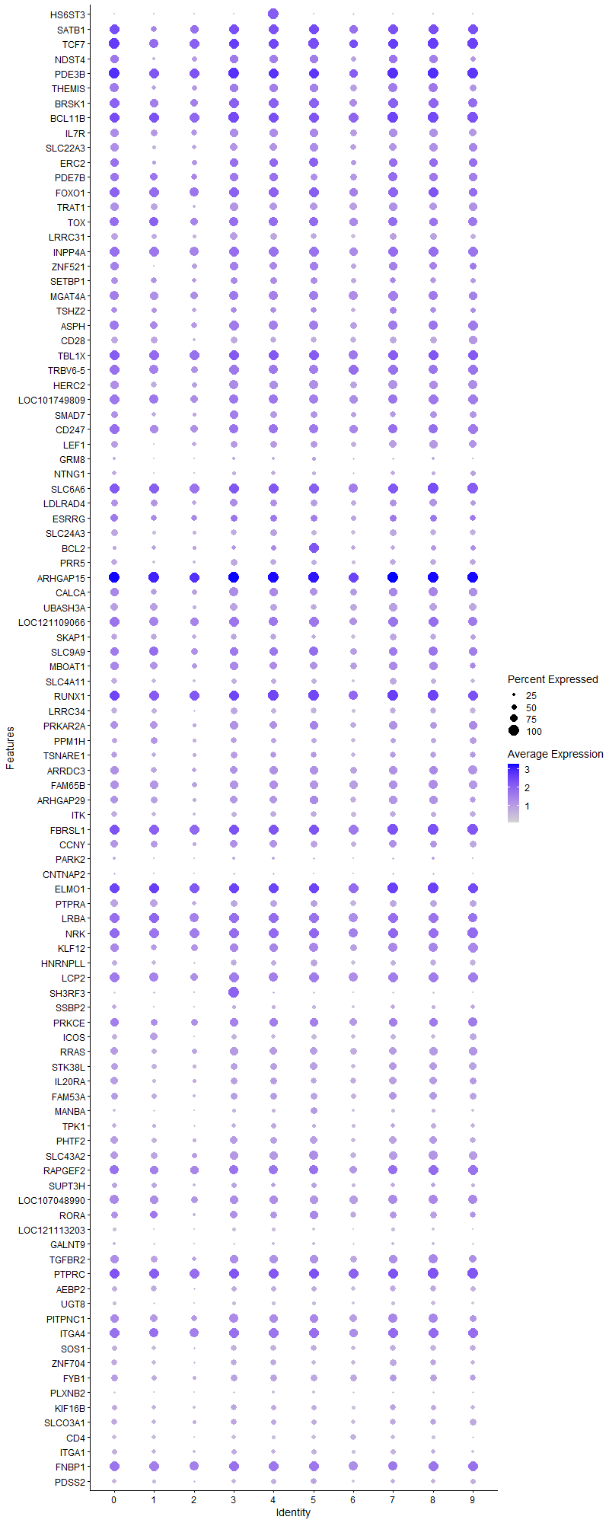
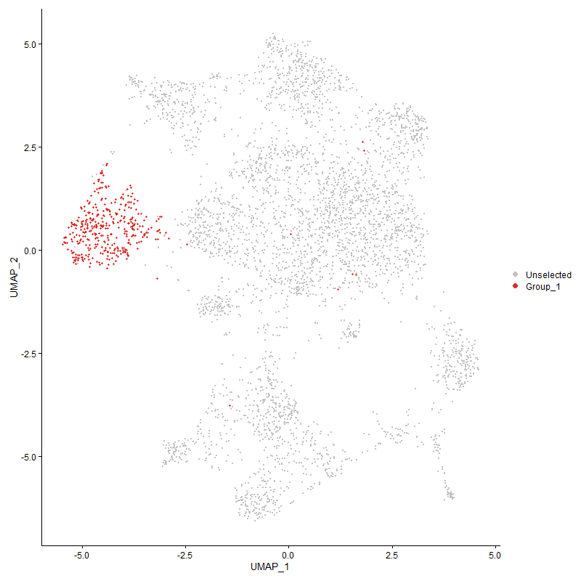
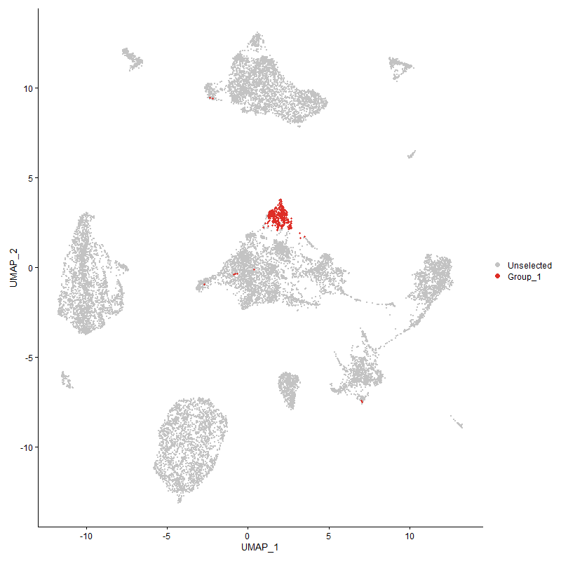
 | p_val | avg_log2FC | pct.1 | pct.2 | p_val_adj | cluster | gene
HS6ST3 | 0 | 2.6980768397 | 1 | 0.075 | 0 | 4 | HS6ST3
SATB13 | 4.1778565998E-138 | 1.3798520709 | 0.971 | 0.438 | 6.3800048136E-134 | 4 | SATB1
TCF74 | 3.4152469897E-120 | 1.2631018064 | 0.987 | 0.52 | 5.2154236779E-116 | 4 | TCF7
NDST43 | 1.0766802073E-115 | 1.1393410299 | 0.805 | 0.28 | 1.6441983445E-111 | 4 | NDST4
PDE3B4 | 9.1172149728E-97 | 1.1060116787 | 0.989 | 0.798 | 1.3922898985E-92 | 4 | PDE3B
THEMIS3 | 1.2504959739E-104 | 1.075811663 | 0.81 | 0.301 | 1.9096324018E-100 | 4 | THEMIS
BRSK14 | 1.1151048406E-82 | 1.074143943 | 0.939 | 0.558 | 1.7028766021E-78 | 4 | BRSK1
BCL11B4 | 1.2874927697E-75 | 0.91181373036 | 0.992 | 0.62 | 1.9661302086E-71 | 4 | BCL11B
IL7R4 | 1.0697145939E-87 | 0.89225219359 | 0.802 | 0.34 | 1.6335611564E-83 | 4 | IL7R
SLC22A33 | 3.6707840004E-88 | 0.88266340738 | 0.707 | 0.259 | 5.6056542469E-84 | 4 | SLC22A3
ERC22 | 1.0062730919E-63 | 0.87617159936 | 0.802 | 0.379 | 1.5366796387E-59 | 4 | ERC2
PDE7B4 | 2.0418428309E-52 | 0.86617485693 | 0.823 | 0.44 | 3.118098187E-48 | 4 | PDE7B
FOXO14 | 4.9132181608E-60 | 0.86131911719 | 0.947 | 0.679 | 7.5029754534E-56 | 4 | FOXO1
TRAT13 | 1.0871587533E-81 | 0.80736509175 | 0.734 | 0.291 | 1.6602001321E-77 | 4 | TRAT1
TOX4 | 4.5605145102E-46 | 0.77509177954 | 0.863 | 0.516 | 6.9643617086E-42 | 4 | TOX
LRRC314 | 4.977610609E-105 | 0.77332196883 | 0.631 | 0.187 | 7.601309161E-101 | 4 | LRRC31
INPP4A4 | 7.1797103145E-51 | 0.72757717636 | 0.947 | 0.719 | 1.0964135621E-46 | 4 | INPP4A
ZNF5212 | 1.4936240187E-55 | 0.72313413811 | 0.741 | 0.349 | 2.2809132389E-51 | 4 | ZNF521
SETBP14 | 4.1382260125E-36 | 0.71805375442 | 0.641 | 0.358 | 6.3194849437E-32 | 4 | SETBP1
MGAT4A4 | 2.5053715953E-57 | 0.71789935536 | 0.9 | 0.571 | 3.8259529632E-53 | 4 | MGAT4A
TSHZ23 | 6.1253138253E-40 | 0.70537540614 | 0.604 | 0.291 | 9.3539667426E-36 | 4 | TSHZ2
ASPH3 | 1.1588852322E-50 | 0.70323236212 | 0.865 | 0.502 | 1.7697336382E-46 | 4 | ASPH
CD284 | 1.7505821198E-79 | 0.69376264286 | 0.588 | 0.199 | 2.6733139552E-75 | 4 | CD28
TBL1X2 | 1.1510450155E-44 | 0.69090992994 | 0.963 | 0.813 | 1.7577608432E-40 | 4 | TBL1X
TRBV6-53 | 1.2983552372E-47 | 0.68725450255 | 0.902 | 0.594 | 1.9827182827E-43 | 4 | TRBV6-5
HERC22 | 1.507179806E-45 | 0.67782653701 | 0.805 | 0.499 | 2.3016142817E-41 | 4 | HERC2
LOC1017498093 | 2.5475622712E-42 | 0.67489208108 | 0.884 | 0.55 | 3.8903823444E-38 | 4 | LOC101749809
SMAD73 | 3.2029972058E-46 | 0.67168109883 | 0.633 | 0.295 | 4.891297033E-42 | 4 | SMAD7
CD2472 | 3.2988810542E-37 | 0.66865160645 | 0.873 | 0.553 | 5.0377212579E-33 | 4 | CD247
LEF13 | 3.9573362673E-50 | 0.66754121458 | 0.675 | 0.33 | 6.0432482138E-46 | 4 | LEF1
GRM82 | 3.8384284868E-36 | 0.66008054189 | 0.269 | 0.085 | 5.8616641422E-32 | 4 | GRM8
NTNG12 | 1.0393794266E-60 | 0.64603924793 | 0.401 | 0.12 | 1.5872363224E-56 | 4 | NTNG1
SLC6A63 | 9.0345596246E-34 | 0.60567564631 | 0.971 | 0.883 | 1.3796676003E-29 | 4 | SLC6A6
LDLRAD43 | 5.9382770891E-26 | 0.60241010737 | 0.662 | 0.43 | 9.0683429427E-22 | 4 | LDLRAD4
ESRRG2 | 1.6366999779E-13 | 0.59311195538 | 0.649 | 0.51 | 2.4994045362E-09 | 4 | ESRRG
SLC24A32 | 4.2585248483E-38 | 0.59213644973 | 0.636 | 0.354 | 6.5031932959E-34 | 4 | SLC24A3
BCL21 | 8.9791050974E-09 | 0.59094650911 | 0.53 | 0.419 | 0.00013711991394 | 4 | BCL2
PRR52 | 3.3100679622E-48 | 0.58966644511 | 0.602 | 0.277 | 5.0548047851E-44 | 4 | PRR5
ARHGAP153 | 1.2825245261E-49 | 0.58829961584 | 1 | 0.983 | 1.9585432038E-45 | 4 | ARHGAP15
CALCA2 | 1.1999694337E-33 | 0.58205720313 | 0.781 | 0.532 | 1.8324733221E-29 | 4 | CALCA
UBASH3A4 | 1.6751182064E-51 | 0.57888446666 | 0.673 | 0.319 | 2.558073013E-47 | 4 | UBASH3A
LOC1211090663 | 2.4269690305E-33 | 0.57608740208 | 0.91 | 0.688 | 3.7062244064E-29 | 4 | LOC121109066
SKAP14 | 1.7528446059E-46 | 0.57126676924 | 0.609 | 0.278 | 2.6767689977E-42 | 4 | SKAP1
SLC9A93 | 1.000927366E-26 | 0.56953062993 | 0.823 | 0.631 | 1.5285161806E-22 | 4 | SLC9A9
MBOAT13 | 5.6441771276E-27 | 0.56609913558 | 0.757 | 0.531 | 8.6192228915E-23 | 4 | MBOAT1
SLC4A113 | 5.0841268293E-42 | 0.56448197908 | 0.546 | 0.253 | 7.7639700811E-38 | 4 | SLC4A11
RUNX12 | 1.8478810367E-40 | 0.56062737421 | 1 | 0.921 | 2.8218991312E-36 | 4 | RUNX1
LRRC343 | 3.7255756673E-64 | 0.54666117854 | 0.515 | 0.177 | 5.6893266016E-60 | 4 | LRRC34
PRKAR2A3 | 2.3621651617E-32 | 0.54494312883 | 0.757 | 0.476 | 3.6072624184E-28 | 4 | PRKAR2A
PPM1H3 | 3.1585838045E-33 | 0.54220903713 | 0.536 | 0.262 | 4.8234733278E-29 | 4 | PPM1H
TSNARE12 | 1.9945304026E-24 | 0.53765265655 | 0.604 | 0.362 | 3.0458473779E-20 | 4 | TSNARE1
ARRDC32 | 1.184624545E-31 | 0.53391867011 | 0.784 | 0.51 | 1.8090401427E-27 | 4 | ARRDC3
FAM65B3 | 1.9207256161E-37 | 0.53339321734 | 0.842 | 0.58 | 2.9331400884E-33 | 4 | FAM65B
ARHGAP293 | 1.1818677803E-31 | 0.52842655993 | 0.715 | 0.419 | 1.8048302872E-27 | 4 | ARHGAP29
ITK3 | 4.9408852227E-47 | 0.52400724731 | 0.609 | 0.276 | 7.5452258236E-43 | 4 | ITK
FBRSL12 | 4.8184977776E-35 | 0.51944955855 | 0.989 | 0.95 | 7.3583279561E-31 | 4 | FBRSL1
CCNY3 | 1.3850441749E-25 | 0.51917533251 | 0.718 | 0.48 | 2.1151009595E-21 | 4 | CCNY
PARK22 | 3.3070230408E-09 | 0.50464057578 | 0.288 | 0.179 | 5.0501548856E-05 | 4 | PARK2
CNTNAP22 | 3.7806917948E-24 | 0.50353654528 | 0.208 | 0.072 | 5.7734944399E-20 | 4 | CNTNAP2
ELMO13 | 3.0327786958E-35 | 0.50337217584 | 0.995 | 0.915 | 4.6313563464E-31 | 4 | ELMO1
PTPRA3 | 3.5605323279E-35 | 0.49855500067 | 0.665 | 0.376 | 5.4372889179E-31 | 4 | PTPRA
LRBA3 | 1.1651497984E-26 | 0.49464774671 | 0.931 | 0.79 | 1.7793002571E-22 | 4 | LRBA
NRK2 | 7.3720703769E-33 | 0.49392862969 | 0.966 | 0.849 | 1.1257888673E-28 | 4 | NRK
KLF122 | 2.782749766E-26 | 0.48628751299 | 0.802 | 0.55 | 4.2495371676E-22 | 4 | KLF12
HNRNPLL3 | 6.6195039062E-36 | 0.48619255016 | 0.544 | 0.266 | 1.0108644415E-31 | 4 | HNRNPLL
LCP23 | 2.3657929365E-28 | 0.48510879879 | 0.871 | 0.658 | 3.6128023934E-24 | 4 | LCP2
SH3RF32 | 2.4489568676E-10 | 0.4817355862 | 0.24 | 0.131 | 3.7398020325E-06 | 4 | SH3RF3
SSBP22 | 2.0921221568E-33 | 0.48048004738 | 0.391 | 0.158 | 3.1948797457E-29 | 4 | SSBP2
PRKCE2 | 1.3120382909E-24 | 0.47672953353 | 0.792 | 0.568 | 2.0036136741E-20 | 4 | PRKCE
ICOS3 | 4.2275871983E-56 | 0.47454846935 | 0.454 | 0.151 | 6.4559484106E-52 | 4 | ICOS
RRAS2 | 1.6992672793E-27 | 0.46924387327 | 0.741 | 0.497 | 2.5949510622E-23 | 4 | RRAS
STK38L2 | 3.3159873873E-23 | 0.46775434539 | 0.654 | 0.432 | 5.0638443391E-19 | 4 | STK38L
IL20RA2 | 1.3489933966E-30 | 0.46489834259 | 0.66 | 0.358 | 2.060047816E-26 | 4 | IL20RA
FAM53A2 | 2.8644573877E-23 | 0.46457915086 | 0.662 | 0.429 | 4.3743128768E-19 | 4 | FAM53A
MANBA1 | 1.6240527827E-30 | 0.46251520602 | 0.393 | 0.17 | 2.4800910044E-26 | 4 | MANBA
TPK12 | 5.7169155412E-22 | 0.46016860982 | 0.478 | 0.272 | 8.730301723E-18 | 4 | TPK1
PHTF22 | 2.3056318428E-26 | 0.45912225535 | 0.694 | 0.456 | 3.5209303871E-22 | 4 | PHTF2
SLC43A23 | 7.4578289123E-28 | 0.45673140457 | 0.776 | 0.535 | 1.1388850532E-23 | 4 | SLC43A2
RAPGEF22 | 3.7339227306E-36 | 0.45666295589 | 0.9 | 0.641 | 5.7020734019E-32 | 4 | RAPGEF2
SUPT3H3 | 7.5632138144E-11 | 0.45381833598 | 0.456 | 0.328 | 1.1549783816E-06 | 4 | SUPT3H
LOC1070489903 | 1.2065383664E-24 | 0.45238832515 | 0.828 | 0.61 | 1.8425047393E-20 | 4 | LOC107048990
RORA3 | 1.5520208476E-31 | 0.45107603176 | 0.665 | 0.362 | 2.3700910364E-27 | 4 | RORA
LOC1211132032 | 1.8386518872E-58 | 0.44909963274 | 0.343 | 0.095 | 2.8078052969E-54 | 4 | LOC121113203
GALNT93 | 1.2678473685E-24 | 0.43973462696 | 0.274 | 0.109 | 1.9361297165E-20 | 4 | GALNT9
TGFBR22 | 1.5281286789E-23 | 0.43969907893 | 0.805 | 0.569 | 2.3336053056E-19 | 4 | TGFBR2
PTPRC3 | 5.6691363264E-30 | 0.43845438254 | 0.989 | 0.948 | 8.657338084E-26 | 4 | PTPRC
AEBP23 | 8.4176574275E-25 | 0.43484123136 | 0.538 | 0.302 | 1.2854604657E-20 | 4 | AEBP2
UGT82 | 3.843107539E-39 | 0.43437019648 | 0.338 | 0.118 | 5.8688095229E-35 | 4 | UGT8
PITPNC12 | 2.6583309346E-22 | 0.43359733692 | 0.805 | 0.632 | 4.0595371703E-18 | 4 | PITPNC1
ITGA43 | 3.7973665167E-32 | 0.43262576199 | 0.971 | 0.79 | 5.7989584077E-28 | 4 | ITGA4
SOS12 | 4.2597950609E-38 | 0.43229134506 | 0.583 | 0.288 | 6.5051330375E-34 | 4 | SOS1
ZNF7042 | 1.2071503653E-21 | 0.43077061282 | 0.565 | 0.34 | 1.8434393229E-17 | 4 | ZNF704
FYB12 | 1.7886412823E-28 | 0.42949041386 | 0.625 | 0.348 | 2.7314341021E-24 | 4 | FYB1
PLXNB22 | 7.5978267708E-49 | 0.42703589708 | 0.269 | 0.069 | 1.1602641262E-44 | 4 | PLXNB2
KIF16B2 | 5.0550835248E-21 | 0.4265653645 | 0.507 | 0.303 | 7.7196180508E-17 | 4 | KIF16B
SLCO3A12 | 5.6105434726E-20 | 0.42281425181 | 0.53 | 0.32 | 8.567860937E-16 | 4 | SLCO3A1
CD43 | 2.280897723E-51 | 0.42130644808 | 0.361 | 0.112 | 3.4831589128E-47 | 4 | CD4
ITGA13 | 1.5994285015E-21 | 0.41783911196 | 0.464 | 0.267 | 2.4424872647E-17 | 4 | ITGA1
FNBP12 | 4.0007750429E-28 | 0.41760278178 | 0.942 | 0.779 | 6.109583568E-24 | 4 | FNBP1
PDSS22 | 1.3870993984E-26 | 0.41666739674 | 0.485 | 0.243 | 2.1182394913E-22 | 4 | PDSS2
PPM1A3 | 1.8060710328E-27 | 0.41660498651 | 0.515 | 0.273 | 2.7580510742E-23 | 4 | PPM1A
SNRK3 | 1.4711994495E-20 | 0.41517251243 | 0.565 | 0.343 | 2.2466686793E-16 | 4 | SNRK
RASA13 | 2.6575220392E-28 | 0.41446781063 | 0.446 | 0.21 | 4.0583019061E-24 | 4 | RASA1
IKZF13 | 2.3334685668E-22 | 0.41407714489 | 0.897 | 0.737 | 3.5634398483E-18 | 4 | IKZF1
FBXW71 | 7.2799088406E-11 | 0.41194144425 | 0.491 | 0.361 | 1.111714879E-06 | 4 | FBXW7
ABI13 | 3.3776990866E-20 | 0.40802849379 | 0.821 | 0.681 | 5.1580842752E-16 | 4 | ABI1
ABCG12 | 2.2439962578E-21 | 0.40751952049 | 0.491 | 0.283 | 3.4268066852E-17 | 4 | ABCG1
ARHGEF33 | 2.5621697185E-20 | 0.40308894468 | 0.85 | 0.647 | 3.9126893771E-16 | 4 | ARHGEF3
TNRC6C2 | 5.9554251557E-23 | 0.40200636378 | 0.913 | 0.755 | 9.0945297553E-19 | 4 | TNRC6C
NFKB12 | 1.3528984101E-18 | 0.40119417143 | 0.876 | 0.758 | 2.066011162E-14 | 4 | NFKB1
RASA33 | 1.5672527251E-23 | 0.40018374218 | 0.992 | 0.874 | 2.3933516364E-19 | 4 | RASA3
LOC1211064612 | 3.5795134069E-22 | 0.39997065468 | 0.868 | 0.617 | 5.4662749237E-18 | 4 | LOC121106461
CBLB3 | 2.0293885433E-18 | 0.39658928584 | 0.865 | 0.672 | 3.0990792444E-14 | 4 | CBLB
ERBIN3 | 1.0511271682E-18 | 0.39634147001 | 0.797 | 0.624 | 1.6051762986E-14 | 4 | ERBIN
DOCK22 | 7.4584936264E-23 | 0.39531965268 | 0.96 | 0.88 | 1.1389865617E-18 | 4 | DOCK2
DIP2B3 | 8.606531168E-23 | 0.39201044053 | 0.681 | 0.444 | 1.3143033747E-18 | 4 | DIP2B
APBB1IP2 | 1.4027131846E-17 | 0.39120124903 | 0.813 | 0.653 | 2.1420833042E-13 | 4 | APBB1IP
ZMYND112 | 6.9474268726E-17 | 0.38688540836 | 0.741 | 0.545 | 1.0609415577E-12 | 4 | ZMYND11
LOC7692322 | 4.6275572535E-17 | 0.38285891779 | 0.963 | 0.763 | 7.0667426818E-13 | 4 | LOC769232
ARHGAP102 | 1.1114529345E-19 | 0.37873354582 | 0.427 | 0.228 | 1.6972997762E-15 | 4 | ARHGAP10
CDYL1 | 8.0392905999E-18 | 0.37791704582 | 0.34 | 0.175 | 1.2276800675E-13 | 4 | CDYL
TFDP21 | 2.8525960346E-20 | 0.37646295674 | 0.367 | 0.186 | 4.3561994044E-16 | 4 | TFDP2
SMCHD13 | 1.6600004805E-19 | 0.37632041743 | 0.739 | 0.536 | 2.5349867338E-15 | 4 | SMCHD1
ZCCHC242 | 4.253003874E-11 | 0.37515238535 | 0.251 | 0.136 | 6.494762216E-07 | 4 | ZCCHC24
HS6ST22 | 7.4735576953E-16 | 0.37421723828 | 0.528 | 0.335 | 1.1412869956E-11 | 4 | HS6ST2
EXTL32 | 3.2053283625E-24 | 0.37083597122 | 0.551 | 0.309 | 4.8948569424E-20 | 4 | EXTL3
CDK5RAP22 | 1.1045719694E-18 | 0.36948205744 | 0.515 | 0.311 | 1.6867918545E-14 | 4 | CDK5RAP2
NR3C22 | 3.942700858E-12 | 0.36853865707 | 0.528 | 0.363 | 6.0208984803E-08 | 4 | NR3C2
PRKACB2 | 2.11937267E-16 | 0.3673919645 | 0.654 | 0.476 | 3.2364940043E-12 | 4 | PRKACB
PPP1R12A3 | 6.1631589663E-20 | 0.3654281778 | 0.921 | 0.815 | 9.4117600574E-16 | 4 | PPP1R12A
PRKD12 | 2.1190090565E-19 | 0.36530886477 | 0.694 | 0.476 | 3.2359387302E-15 | 4 | PRKD1
HLCS3 | 1.7547810524E-12 | 0.36422537296 | 0.53 | 0.372 | 2.6797261452E-08 | 4 | HLCS
KDM4B2 | 5.1783701084E-18 | 0.3633876352 | 0.715 | 0.513 | 7.9078889925E-14 | 4 | KDM4B
MYC1 | 2.126296677E-20 | 0.36306926401 | 0.425 | 0.232 | 3.2470676555E-16 | 4 | MYC
MACROD23 | 3.8918291891E-07 | 0.36177730233 | 0.509 | 0.405 | 0.0059432123546 | 4 | MACROD2
ZNRF22 | 4.0183429768E-15 | 0.36130597401 | 0.818 | 0.667 | 6.1364115598E-11 | 4 | ZNRF2
SLC9A72 | 1.3014328126E-13 | 0.36096669356 | 0.525 | 0.351 | 1.9874180481E-09 | 4 | SLC9A7
TXK3 | 1.3934072596E-24 | 0.36036824564 | 0.575 | 0.328 | 2.1278722261E-20 | 4 | TXK
CELF23 | 6.3627868658E-19 | 0.35942303114 | 0.968 | 0.919 | 9.7166118228E-15 | 4 | CELF2
LOC1070547401 | 6.1897074497E-31 | 0.35911145276 | 0.24 | 0.077 | 9.4523022465E-27 | 4 | LOC107054740
PITPNM22 | 1.6890780384E-22 | 0.35887332468 | 0.525 | 0.293 | 2.5793910724E-18 | 4 | PITPNM2
IMMP2L1 | 0.00075337801708 | 0.35823275157 | 0.346 | 0.28 | 1 | 4 | IMMP2L
ENC1 | 4.6257955482E-35 | 0.35807213481 | 0.237 | 0.071 | 7.0640523816E-31 | 4 | ENC1
LARGE12 | 9.4708943473E-15 | 0.35803422771 | 0.274 | 0.137 | 1.4463002758E-10 | 4 | LARGE1
ARAP23 | 2.4590448666E-17 | 0.35337321362 | 0.763 | 0.556 | 3.7552074157E-13 | 4 | ARAP2
ROCK11 | 3.2595841093E-14 | 0.3523976304 | 0.889 | 0.789 | 4.9777108933E-10 | 4 | ROCK1
DPEP22 | 3.457300997E-42 | 0.35048045992 | 0.277 | 0.081 | 5.2796443525E-38 | 4 | DPEP2
ETS21 | 4.497322459E-23 | 0.3479788889 | 0.515 | 0.284 | 6.8678611272E-19 | 4 | ETS2
TNS32 | 1.0410608789E-20 | 0.34727785058 | 0.48 | 0.271 | 1.5898040682E-16 | 4 | TNS3
LOC1017522501 | 1.0379678504E-12 | 0.34454849698 | 0.385 | 0.229 | 1.5850807043E-08 | 4 | LOC101752250
SDK12 | 4.2103724098E-12 | 0.34032493122 | 0.491 | 0.324 | 6.429659707E-08 | 4 | SDK1
UBAC21 | 8.2710605115E-09 | 0.33921221409 | 0.48 | 0.352 | 0.00012630736507 | 4 | UBAC2
PLCL22 | 1.2220822356E-11 | 0.33903120721 | 0.694 | 0.534 | 1.866241782E-07 | 4 | PLCL2
BTG11 | 5.9853594634E-12 | 0.33884980796 | 0.773 | 0.691 | 9.1402424366E-08 | 4 | BTG1
MMD | 6.9127622921E-22 | 0.3380144573 | 0.404 | 0.204 | 1.0556479296E-17 | 4 | MMD
PFKP2 | 6.9669444432E-14 | 0.33799085814 | 0.525 | 0.354 | 1.0639220859E-09 | 4 | PFKP
PRKCQ3 | 2.5969083047E-18 | 0.3332603069 | 0.623 | 0.404 | 3.9657386721E-14 | 4 | PRKCQ
PTPRB3 | 8.5011881536E-40 | 0.33015856002 | 0.29 | 0.09 | 1.2982164429E-35 | 4 | PTPRB
GPR652 | 5.5027921385E-18 | 0.32769543111 | 0.446 | 0.261 | 8.4033138746E-14 | 4 | GPR65
CDKAL1 | 1.0152398402E-09 | 0.32649015396 | 0.736 | 0.629 | 1.55037276E-05 | 4 | CDKAL1
STAT43 | 2.4881353131E-17 | 0.325348575 | 0.607 | 0.388 | 3.7996314366E-13 | 4 | STAT4
AGPAT41 | 2.3526282616E-22 | 0.32510714036 | 0.288 | 0.123 | 3.5926986182E-18 | 4 | AGPAT4
TNRC6B2 | 4.3862513828E-12 | 0.32442971586 | 0.802 | 0.703 | 6.6982444867E-08 | 4 | TNRC6B
SMAD22 | 2.9217724964E-20 | 0.32326795315 | 0.272 | 0.119 | 4.4618387792E-16 | 4 | SMAD2
FBXL21 | 3.7564962045E-17 | 0.32314016123 | 0.311 | 0.156 | 5.7365453539E-13 | 4 | FBXL2
P2RY83 | 1.2270617748E-11 | 0.32120169608 | 0.876 | 0.715 | 1.8738460363E-07 | 4 | P2RY8
LOC1070529841 | 4.6859424914E-44 | 0.32119126577 | 0.206 | 0.047 | 7.1559027786E-40 | 4 | LOC107052984
ADD32 | 2.6714786843E-11 | 0.32105939323 | 0.731 | 0.561 | 4.0796150987E-07 | 4 | ADD3
DAPK13 | 1.3878313092E-09 | 0.32016620685 | 0.794 | 0.696 | 2.1193571922E-05 | 4 | DAPK1
STXBP52 | 2.1790851954E-11 | 0.32013936965 | 0.715 | 0.58 | 3.327681002E-07 | 4 | STXBP5
KLF132 | 6.1111240322E-11 | 0.31941647849 | 0.718 | 0.584 | 9.3322975096E-07 | 4 | KLF13
AUTS2 | 6.6649586112E-15 | 0.31521749613 | 0.111 | 0.035 | 1.0178058295E-10 | 4 | AUTS2
CD381 | 8.1031265328E-33 | 0.31517637571 | 0.309 | 0.112 | 1.2374284528E-28 | 4 | CD38
SREK13 | 4.4107856549E-17 | 0.31437589895 | 0.594 | 0.384 | 6.7357107736E-13 | 4 | SREK1
MTMR102 | 4.3646319441E-18 | 0.31379228723 | 0.435 | 0.246 | 6.6652294418E-14 | 4 | MTMR10
SPTBN12 | 2.4300178092E-11 | 0.31216238832 | 0.826 | 0.73 | 3.7108801964E-07 | 4 | SPTBN1
EPB412 | 1.6181967099E-15 | 0.31137324349 | 0.462 | 0.29 | 2.4711481956E-11 | 4 | EPB41
LOC1070531242 | 7.2301869706E-28 | 0.31123975601 | 0.375 | 0.163 | 1.1041218523E-23 | 4 | LOC107053124
KAT6B2 | 8.8314559244E-08 | 0.30627830098 | 0.467 | 0.356 | 0.0013486516342 | 4 | KAT6B
ANO102 | 1.4647614312E-05 | 0.30556569524 | 0.156 | 0.092 | 0.22368371815 | 4 | ANO10
NCK13 | 1.0225430136E-15 | 0.30349257982 | 0.691 | 0.487 | 1.5615254361E-11 | 4 | NCK1
EVL2 | 3.9954638049E-11 | 0.30058913696 | 0.657 | 0.494 | 6.1014727765E-07 | 4 | EVL
XYLT12 | 1.565526668E-08 | 0.29965283486 | 0.562 | 0.419 | 0.00023907157746 | 4 | XYLT1
TBK13 | 2.0413201537E-16 | 0.29926057206 | 0.467 | 0.282 | 3.1173000067E-12 | 4 | TBK1
SLA3 | 5.3225242956E-14 | 0.29922653332 | 0.697 | 0.485 | 8.1280268518E-10 | 4 | SLA
CUX12 | 1.1376278565E-13 | 0.29585687904 | 0.786 | 0.617 | 1.7372714996E-09 | 4 | CUX1
CEP85L2 | 2.262744295E-10 | 0.29579374504 | 0.813 | 0.685 | 3.4554368129E-06 | 4 | CEP85L
DHX15 | 7.4491363597E-16 | 0.29558122885 | 0.52 | 0.333 | 1.1375576135E-11 | 4 | DHX15
SYNE13 | 1.3756292524E-11 | 0.29370454525 | 0.897 | 0.766 | 2.1007234314E-07 | 4 | SYNE1
COG5 | 2.1469578627E-06 | 0.29227145874 | 0.446 | 0.354 | 0.032786193522 | 4 | COG5
KCNQ52 | 9.9348278474E-10 | 0.29130632911 | 0.763 | 0.608 | 1.5171475606E-05 | 4 | KCNQ5
MAP4K4 | 3.9814331566E-18 | 0.28816109538 | 0.485 | 0.276 | 6.0800465734E-14 | 4 | MAP4K4
WWOX3 | 0.01423055642 | 0.2880922744 | 0.422 | 0.372 | 1 | 4 | WWOX
ADD12 | 4.2163865909E-12 | 0.28763055996 | 0.522 | 0.363 | 6.438843963E-08 | 4 | ADD1
TSPAN182 | 5.6077965388E-31 | 0.28710590494 | 0.282 | 0.098 | 8.5636660943E-27 | 4 | TSPAN18
ST8SIA43 | 4.2936919385E-08 | 0.28709357458 | 0.52 | 0.392 | 0.00065568969592 | 4 | ST8SIA4
LRPPRC | 3.8701617257E-08 | 0.28672982374 | 0.425 | 0.31 | 0.00059101239713 | 4 | LRPPRC
USP34 | 1.1005617837E-06 | 0.28588311942 | 0.612 | 0.52 | 0.016806678998 | 4 | USP34
DIP2C2 | 0.00010714864932 | 0.28334252444 | 0.195 | 0.132 | 1 | 4 | DIP2C
CD53 | 3.2090813437E-32 | 0.28246069288 | 0.311 | 0.114 | 4.9005881199E-28 | 4 | CD5
CD822 | 1.1101684017E-14 | 0.28144151223 | 0.509 | 0.322 | 1.6953381662E-10 | 4 | CD82
LOC1070517153 | 2.0834542348E-23 | 0.28071679611 | 0.248 | 0.093 | 3.1816429619E-19 | 4 | LOC107051715
DDX51 | 5.5384237072E-13 | 0.27733750506 | 0.939 | 0.856 | 8.4577268433E-09 | 4 | DDX5
PLCL12 | 4.5702369056E-11 | 0.27728044266 | 0.206 | 0.101 | 6.9792087786E-07 | 4 | PLCL1
DOCK101 | 4.9715799141E-13 | 0.27603920833 | 0.744 | 0.584 | 7.5920996868E-09 | 4 | DOCK10
TAF4B2 | 5.5096391096E-17 | 0.27496238001 | 0.301 | 0.147 | 8.4137698843E-13 | 4 | TAF4B
CLGN | 7.3196268673E-36 | 0.27484232878 | 0.245 | 0.073 | 1.1177802189E-31 | 4 | CLGN
LOC4312502 | 4.2959697295E-49 | 0.27160397554 | 0.24 | 0.057 | 6.5603753739E-45 | 4 | LOC431250
RAPH12 | 1.5992157211E-06 | 0.26995101316 | 0.237 | 0.151 | 0.024421623277 | 4 | RAPH1
DENND1B1 | 7.055909862E-11 | 0.26993737237 | 0.892 | 0.799 | 1.077507995E-06 | 4 | DENND1B
TTC27 | 3.2252580055E-08 | 0.26897426283 | 0.216 | 0.124 | 0.00049252915002 | 4 | TTC27
RALGPS1 | 7.248386556E-12 | 0.26805748666 | 0.235 | 0.12 | 1.106901111E-07 | 4 | RALGPS1
HDGFRP31 | 1.6040063894E-12 | 0.26792792612 | 0.332 | 0.194 | 2.4494781573E-08 | 4 | HDGFRP3
RANBP9 | 5.8843103107E-10 | 0.26727646861 | 0.332 | 0.212 | 8.9859302755E-06 | 4 | RANBP9
AGO31 | 4.6216712148E-07 | 0.26671708505 | 0.354 | 0.251 | 0.0070577541121 | 4 | AGO3
STAG1 | 9.2350670146E-12 | 0.26659936798 | 0.604 | 0.437 | 1.4102870838E-07 | 4 | STAG1
NRP12 | 3.4699268905E-21 | 0.26594144343 | 0.325 | 0.145 | 5.2989253545E-17 | 4 | NRP1
PREX13 | 5.5931151532E-13 | 0.26520379674 | 0.95 | 0.887 | 8.5412461505E-09 | 4 | PREX1
STRBP | 9.5813164321E-16 | 0.26419729708 | 0.285 | 0.142 | 1.4631628323E-11 | 4 | STRBP
FOXK23 | 6.0120801633E-12 | 0.26290606473 | 0.673 | 0.497 | 9.1810476174E-08 | 4 | FOXK2
CTDSPL2 | 4.1850990696E-10 | 0.26284496691 | 0.551 | 0.397 | 6.3910647891E-06 | 4 | CTDSPL
SIPA1L11 | 4.4672597079E-09 | 0.26259347976 | 0.488 | 0.345 | 6.8219523E-05 | 4 | SIPA1L1
ETNK12 | 1.7278554669E-14 | 0.26213709694 | 0.451 | 0.271 | 2.6386080835E-10 | 4 | ETNK1
RFTN12 | 2.0227108411E-10 | 0.26188614411 | 0.623 | 0.457 | 3.0888817254E-06 | 4 | RFTN1
MAN2A1 | 3.3099809641E-05 | 0.26186783257 | 0.372 | 0.291 | 0.50546719303 | 4 | MAN2A1
HS6ST12 | 8.9210370495E-11 | 0.26061341618 | 0.467 | 0.317 | 1.3623315678E-06 | 4 | HS6ST1
SP32 | 7.662571959E-13 | 0.25994242892 | 0.66 | 0.46 | 1.1701513639E-08 | 4 | SP3
SESN12 | 4.8452036904E-12 | 0.25749854865 | 0.628 | 0.447 | 7.3991105556E-08 | 4 | SESN1
NRIP12 | 1.7430179854E-11 | 0.25719021849 | 0.712 | 0.508 | 2.6617627655E-07 | 4 | NRIP1
KIAA15492 | 1.5668806229E-12 | 0.25652164597 | 0.306 | 0.168 | 2.3927833992E-08 | 4 | KIAA1549
GRAP22 | 1.3478854253E-15 | 0.25558895864 | 0.57 | 0.351 | 2.0583558329E-11 | 4 | GRAP2
ANKRD442 | 1.2372623071E-12 | 0.25522320823 | 0.942 | 0.852 | 1.8894232691E-08 | 4 | ANKRD44
SH2D1B | 5.8055860565E-24 | 0.25475810457 | 0.214 | 0.075 | 8.8657104669E-20 | 4 | SH2D1B
P2RX72 | 8.5889931173E-14 | 0.25400600541 | 0.438 | 0.271 | 1.3116251389E-09 | 4 | P2RX7
AMBRA1 | 1.7583107768E-06 | 0.25247172076 | 0.48 | 0.385 | 0.026851163873 | 4 | AMBRA1
ST8SIA11 | 6.6065039454E-10 | 0.25175841937 | 0.414 | 0.27 | 1.0088792175E-05 | 4 | ST8SIA1
PLCB2 | 4.2007448319E-16 | 0.25070315018 | 0.288 | 0.144 | 6.4149574328E-12 | 4 | PLCB2
REPS11 | 1.6706427882E-07 | 0.25064732607 | 0.398 | 0.287 | 0.0025512386018 | 4 | REPS1

Cluster5
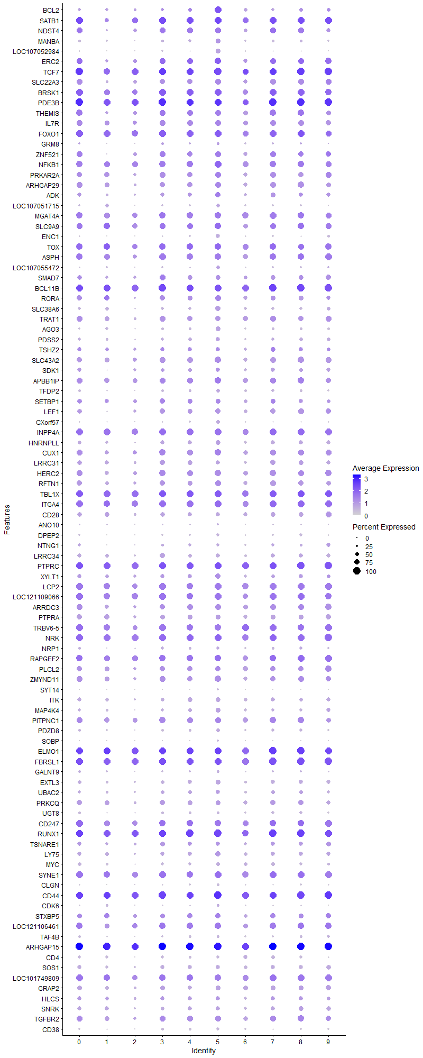
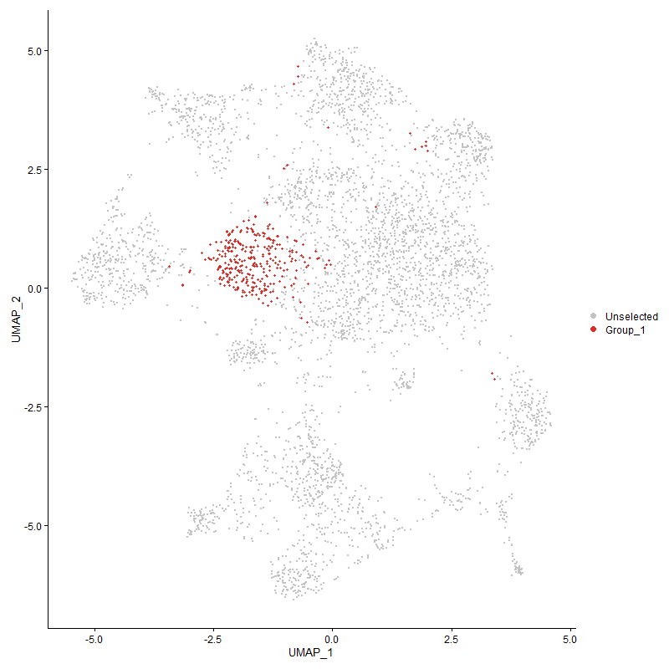
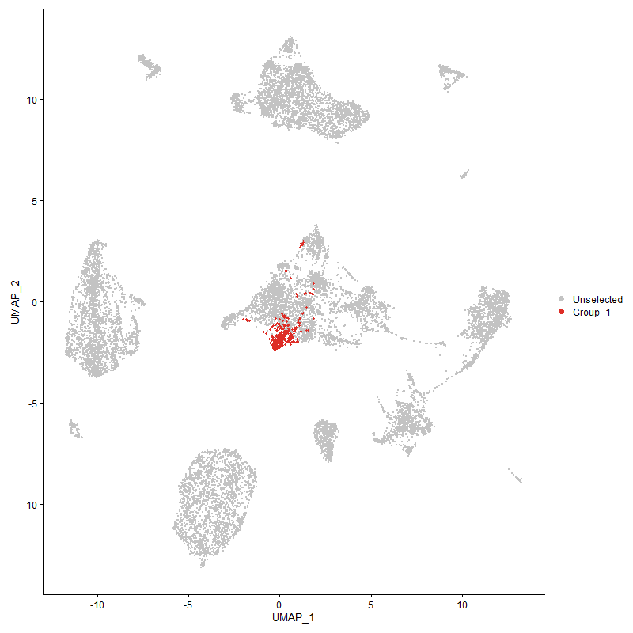
 | p_val | avg_log2FC | pct.1 | pct.2 | p_val_adj | cluster | gene
BCL22 | 1.3845126036E-153 | 1.9067873315 | 0.926 | 0.412 | 2.1142891969E-149 | 5 | BCL2
SATB14 | 8.4948744549E-142 | 1.572219566 | 0.994 | 0.44 | 1.297252278E-137 | 5 | SATB1
NDST44 | 4.6491360223E-97 | 1.164813172 | 0.789 | 0.282 | 7.0996956196E-93 | 5 | NDST4
MANBA2 | 7.7620896637E-146 | 1.1605326325 | 0.684 | 0.165 | 1.1853487126E-141 | 5 | MANBA
LOC1070529842 | 0 | 1.0920342574 | 0.622 | 0.04 | 0 | 5 | LOC107052984
ERC23 | 6.4589883688E-81 | 1.0895482652 | 0.898 | 0.379 | 9.8635211379E-77 | 5 | ERC2
TCF75 | 6.1862985683E-93 | 1.0764134666 | 1 | 0.521 | 9.4470965436E-89 | 5 | TCF7
SLC22A34 | 4.553807008E-112 | 1.0519325931 | 0.796 | 0.259 | 6.954118682E-108 | 5 | SLC22A3
BRSK15 | 1.2946115924E-71 | 1.0488764552 | 0.963 | 0.559 | 1.9770013627E-67 | 5 | BRSK1
PDE3B5 | 2.354153238E-78 | 1.0217550738 | 0.997 | 0.798 | 3.5950274097E-74 | 5 | PDE3B
THEMIS4 | 5.8756037341E-90 | 1.0141071884 | 0.817 | 0.303 | 8.9726344624E-86 | 5 | THEMIS
IL7R5 | 8.6810641367E-88 | 0.97431696883 | 0.839 | 0.341 | 1.3256853043E-83 | 5 | IL7R
FOXO15 | 5.5148361265E-71 | 0.96947483888 | 0.975 | 0.679 | 8.4217062487E-67 | 5 | FOXO1
GRM83 | 1.3895765061E-63 | 0.93490175544 | 0.35 | 0.084 | 2.1220222824E-59 | 5 | GRM8
ZNF5213 | 1.844304078E-74 | 0.92661619661 | 0.833 | 0.349 | 2.8164367575E-70 | 5 | ZNF521
NFKB13 | 7.223414823E-60 | 0.921005043 | 0.975 | 0.756 | 1.1030876776E-55 | 5 | NFKB1
PRKAR2A4 | 3.1313264732E-60 | 0.89758213963 | 0.827 | 0.476 | 4.7818486572E-56 | 5 | PRKAR2A
ARHGAP294 | 3.6260706778E-67 | 0.86891332599 | 0.836 | 0.418 | 5.5373725321E-63 | 5 | ARHGAP29
ADK | 1.2236827606E-55 | 0.8650226265 | 0.765 | 0.368 | 1.8686859438E-51 | 5 | ADK
LOC1070517154 | 1.1556377177E-117 | 0.86023088036 | 0.464 | 0.09 | 1.7647743588E-113 | 5 | LOC107051715
MGAT4A5 | 5.4318562761E-57 | 0.83430998853 | 0.913 | 0.572 | 8.2949877192E-53 | 5 | MGAT4A
SLC9A94 | 2.1489684157E-46 | 0.83105658898 | 0.901 | 0.63 | 3.2816896677E-42 | 5 | SLC9A9
ENC11 | 7.3361850415E-234 | 0.82027955263 | 0.542 | 0.065 | 1.1203088177E-229 | 5 | ENC1
TOX5 | 3.423837236E-49 | 0.81963471288 | 0.904 | 0.516 | 5.2285418431E-45 | 5 | TOX
ASPH4 | 9.9466520755E-52 | 0.77898015331 | 0.876 | 0.503 | 1.5189532385E-47 | 5 | ASPH
LOC107055472 | 2.7729438062E-47 | 0.7749330235 | 0.486 | 0.193 | 4.2345624864E-43 | 5 | LOC107055472
SMAD74 | 1.6108381899E-45 | 0.77108555473 | 0.644 | 0.296 | 2.4599109998E-41 | 5 | SMAD7
BCL11B5 | 5.8889170657E-54 | 0.76383540119 | 0.988 | 0.622 | 8.9929652511E-50 | 5 | BCL11B
RORA4 | 3.4754605655E-60 | 0.76361732094 | 0.799 | 0.36 | 5.3073758295E-56 | 5 | RORA
SLC38A61 | 3.9108222583E-68 | 0.76278647108 | 0.703 | 0.29 | 5.9722166707E-64 | 5 | SLC38A6
TRAT14 | 3.6940837502E-71 | 0.75739014504 | 0.746 | 0.293 | 5.6412352949E-67 | 5 | TRAT1
AGO32 | 1.5777462925E-59 | 0.75104681974 | 0.61 | 0.246 | 2.4093763632E-55 | 5 | AGO3
PDSS23 | 5.3666042335E-51 | 0.74136409242 | 0.582 | 0.242 | 8.195341325E-47 | 5 | PDSS2
TSHZ24 | 2.0855014973E-28 | 0.73305297062 | 0.567 | 0.293 | 3.1847693365E-24 | 5 | TSHZ2
SLC43A24 | 4.6432543691E-55 | 0.7317842507 | 0.861 | 0.534 | 7.0907137471E-51 | 5 | SLC43A2
SDK13 | 7.1375662173E-31 | 0.71179599484 | 0.591 | 0.323 | 1.089977737E-26 | 5 | SDK1
APBB1IP3 | 3.1354619774E-40 | 0.71017616554 | 0.892 | 0.652 | 4.7881639858E-36 | 5 | APBB1IP
TFDP22 | 3.7314466758E-64 | 0.70575159487 | 0.529 | 0.184 | 5.6982922187E-60 | 5 | TFDP2
SETBP15 | 5.265198578E-30 | 0.69811119856 | 0.653 | 0.359 | 8.0404847485E-26 | 5 | SETBP1
LEF14 | 1.2789818402E-47 | 0.69419384722 | 0.697 | 0.331 | 1.9531331682E-43 | 5 | LEF1
CXorf57 | 4.8232110082E-68 | 0.69054629165 | 0.474 | 0.142 | 7.3655255307E-64 | 5 | CXorf57
INPP4A5 | 2.2247204975E-42 | 0.68791861982 | 0.941 | 0.719 | 3.3973706717E-38 | 5 | INPP4A
HNRNPLL4 | 8.6518108109E-55 | 0.68711198353 | 0.625 | 0.265 | 1.3212180289E-50 | 5 | HNRNPLL
CUX13 | 9.6792075707E-41 | 0.67679444824 | 0.882 | 0.616 | 1.4781117881E-36 | 5 | CUX1
LRRC315 | 4.4147409591E-67 | 0.66936788902 | 0.573 | 0.19 | 6.7417509186E-63 | 5 | LRRC31
HERC23 | 3.4327572093E-50 | 0.64726861954 | 0.879 | 0.498 | 5.2421635343E-46 | 5 | HERC2
RFTN13 | 6.8901468364E-37 | 0.63211870151 | 0.793 | 0.454 | 1.0521943234E-32 | 5 | RFTN1
TBL1X3 | 8.2418821349E-36 | 0.60752458114 | 0.963 | 0.813 | 1.2586178208E-31 | 5 | TBL1X
ITGA44 | 2.8531199825E-38 | 0.60518788075 | 0.96 | 0.79 | 4.3569995253E-34 | 5 | ITGA4
CD285 | 4.3722431645E-59 | 0.60429309895 | 0.57 | 0.201 | 6.6768525365E-55 | 5 | CD28
ANO103 | 2.2844816527E-27 | 0.59760411578 | 0.263 | 0.09 | 3.4886319318E-23 | 5 | ANO10
DPEP23 | 6.9317901114E-94 | 0.59152524128 | 0.399 | 0.079 | 1.0585536679E-89 | 5 | DPEP2
NTNG13 | 4.9622512148E-42 | 0.58463150781 | 0.375 | 0.121 | 7.5778538301E-38 | 5 | NTNG1
LRRC344 | 8.8554328616E-68 | 0.58412788436 | 0.554 | 0.178 | 1.3523131523E-63 | 5 | LRRC34
PTPRC4 | 4.2612384929E-40 | 0.57894861503 | 0.994 | 0.948 | 6.5073373025E-36 | 5 | PTPRC
XYLT13 | 3.544839778E-33 | 0.57556903169 | 0.724 | 0.417 | 5.4133248251E-29 | 5 | XYLT1
LCP24 | 1.9138034657E-32 | 0.57465911957 | 0.932 | 0.658 | 2.9225692725E-28 | 5 | LCP2
LOC1211090664 | 7.4088614101E-31 | 0.56876566223 | 0.926 | 0.688 | 1.1314072259E-26 | 5 | LOC121109066
ARRDC33 | 2.925812652E-31 | 0.56808776763 | 0.786 | 0.511 | 4.4680085008E-27 | 5 | ARRDC3
PTPRA4 | 1.9933009271E-28 | 0.5675655879 | 0.647 | 0.378 | 3.0439698458E-24 | 5 | PTPRA
TRBV6-54 | 4.9563108267E-37 | 0.56266372185 | 0.913 | 0.595 | 7.5687822635E-33 | 5 | TRBV6-5
NRK3 | 3.8579707374E-35 | 0.56027289887 | 0.969 | 0.85 | 5.8915071131E-31 | 5 | NRK
NRP13 | 1.4441977425E-38 | 0.55974068694 | 0.402 | 0.144 | 2.2054343725E-34 | 5 | NRP1
RAPGEF23 | 5.4365231743E-45 | 0.55639358197 | 0.92 | 0.642 | 8.3021145394E-41 | 5 | RAPGEF2
PLCL23 | 1.0631552413E-22 | 0.55531575463 | 0.746 | 0.533 | 1.623544369E-18 | 5 | PLCL2
ZMYND113 | 4.0072813681E-37 | 0.55485277815 | 0.845 | 0.544 | 6.1195193772E-33 | 5 | ZMYND11
SYT14 | 7.3621535526E-89 | 0.55469749358 | 0.248 | 0.034 | 1.124274469E-84 | 5 | SYT14
ITK4 | 1.2770411498E-40 | 0.5477645157 | 0.607 | 0.277 | 1.9501695399E-36 | 5 | ITK
MAP4K41 | 1.568737987E-40 | 0.54512331422 | 0.616 | 0.275 | 2.39561978E-36 | 5 | MAP4K4
PITPNC13 | 1.1686032666E-25 | 0.53930035554 | 0.836 | 0.632 | 1.7845740485E-21 | 5 | PITPNC1
PDZD81 | 3.8901696009E-37 | 0.53594057665 | 0.498 | 0.218 | 5.9406779975E-33 | 5 | PDZD8
SOBP | 7.2642782911E-66 | 0.53136139798 | 0.282 | 0.055 | 1.1093279378E-61 | 5 | SOBP
ELMO14 | 1.0692317194E-31 | 0.52888468197 | 0.994 | 0.916 | 1.6328237587E-27 | 5 | ELMO1
FBRSL13 | 1.3167344265E-39 | 0.52570612102 | 0.994 | 0.95 | 2.0107851427E-35 | 5 | FBRSL1
GALNT94 | 2.6280687104E-27 | 0.52467648899 | 0.297 | 0.109 | 4.0133237277E-23 | 5 | GALNT9
EXTL33 | 1.6192807275E-33 | 0.50754045975 | 0.61 | 0.308 | 2.472803599E-29 | 5 | EXTL3
UBAC22 | 3.4155097809E-16 | 0.50505304871 | 0.533 | 0.352 | 5.2158249864E-12 | 5 | UBAC2
PRKCQ4 | 1.0265300009E-25 | 0.50163291 | 0.678 | 0.404 | 1.5676139643E-21 | 5 | PRKCQ
UGT83 | 1.640890915E-41 | 0.49869470505 | 0.359 | 0.118 | 2.5058045163E-37 | 5 | UGT8
CD2473 | 6.8059998966E-25 | 0.49314966579 | 0.854 | 0.555 | 1.0393442442E-20 | 5 | CD247
RUNX13 | 7.0058458968E-27 | 0.49226382872 | 1 | 0.921 | 1.0698627269E-22 | 5 | RUNX1
TSNARE13 | 2.0209936528E-15 | 0.48322262864 | 0.567 | 0.363 | 3.0862594072E-11 | 5 | TSNARE1
LY75 | 1.2638003754E-24 | 0.4740375059 | 0.752 | 0.514 | 1.9299495533E-20 | 5 | LY75
MYC2 | 3.8789860665E-31 | 0.47283977007 | 0.492 | 0.231 | 5.9235996221E-27 | 5 | MYC
SYNE14 | 3.5727523306E-24 | 0.47100737348 | 0.938 | 0.765 | 5.455950084E-20 | 5 | SYNE1
CLGN1 | 4.2241984329E-89 | 0.4689591927 | 0.372 | 0.071 | 6.4507734269E-85 | 5 | CLGN
CD44 | 2.0722523801E-32 | 0.46843150575 | 1 | 0.972 | 3.1645366096E-28 | 5 | CD44
CDK6 | 1.7478511301E-12 | 0.4683534984 | 0.359 | 0.213 | 2.6691434608E-08 | 5 | CDK6
STXBP53 | 2.9915302174E-15 | 0.4676324223 | 0.759 | 0.58 | 4.568365795E-11 | 5 | STXBP5
LOC1211064613 | 1.1465892096E-24 | 0.46703796487 | 0.904 | 0.617 | 1.750956382E-20 | 5 | LOC121106461
TAF4B3 | 3.7810335925E-24 | 0.46562371547 | 0.341 | 0.147 | 5.7740163991E-20 | 5 | TAF4B
ARHGAP154 | 2.9629467716E-29 | 0.46112505204 | 1 | 0.983 | 4.524716015E-25 | 5 | ARHGAP15
CD45 | 1.371552934E-68 | 0.46011776506 | 0.43 | 0.112 | 2.0944984855E-64 | 5 | CD4
SOS13 | 2.769169907E-34 | 0.45820008304 | 0.585 | 0.289 | 4.228799365E-30 | 5 | SOS1
LOC1017498094 | 9.4287130636E-26 | 0.45771295547 | 0.892 | 0.551 | 1.4398587719E-21 | 5 | LOC101749809
GRAP23 | 1.4305655222E-26 | 0.4573807005 | 0.638 | 0.35 | 2.184616609E-22 | 5 | GRAP2
HLCS4 | 1.1305813133E-11 | 0.45502745359 | 0.533 | 0.372 | 1.7265107235E-07 | 5 | HLCS
SNRK4 | 4.2784876119E-20 | 0.45409712296 | 0.57 | 0.344 | 6.5336784322E-16 | 5 | SNRK
TGFBR23 | 1.3040911395E-18 | 0.44958308361 | 0.789 | 0.57 | 1.9914775791E-14 | 5 | TGFBR2
CD382 | 4.2611604965E-62 | 0.44569921109 | 0.409 | 0.11 | 6.5072181942E-58 | 5 | CD38
DDX52 | 7.7399238249E-26 | 0.44519044339 | 0.929 | 0.857 | 1.1819637673E-21 | 5 | DDX5
PLXNB23 | 2.7667250012E-34 | 0.44395687131 | 0.248 | 0.07 | 4.2250657493E-30 | 5 | PLXNB2
AEBP24 | 3.3635265965E-24 | 0.44066372995 | 0.545 | 0.303 | 5.1364414655E-20 | 5 | AEBP2
PHTF23 | 6.9132616952E-24 | 0.4394843951 | 0.709 | 0.457 | 1.0557241935E-19 | 5 | PHTF2
ESRRG3 | 8.697464845E-10 | 0.43800911327 | 0.653 | 0.51 | 1.3281898565E-05 | 5 | ESRRG
SLC6A64 | 1.0754933377E-21 | 0.43564794497 | 0.975 | 0.883 | 1.6423858759E-17 | 5 | SLC6A6
CDK172 | 5.3010258507E-14 | 0.4351060944 | 0.7 | 0.522 | 8.0951965766E-10 | 5 | CDK17
CYP26B1 | 1.4372597795E-264 | 0.43491257575 | 0.272 | 0.013 | 2.1948394092E-260 | 5 | CYP26B1
DENND1B2 | 1.1223521962E-21 | 0.43290007959 | 0.923 | 0.799 | 1.7139440388E-17 | 5 | DENND1B
LOC1070531243 | 1.0219431216E-44 | 0.42879255734 | 0.455 | 0.162 | 1.560609341E-40 | 5 | LOC107053124
PRR53 | 1.8811017702E-25 | 0.42746275913 | 0.542 | 0.28 | 2.8726305132E-21 | 5 | PRR5
FNBP13 | 3.2270671007E-27 | 0.42685842113 | 0.957 | 0.779 | 4.9280541695E-23 | 5 | FNBP1
SLC4A114 | 3.1501833135E-27 | 0.42663463552 | 0.514 | 0.254 | 4.810644938E-23 | 5 | SLC4A11
ARAP24 | 8.1206142751E-21 | 0.4265779818 | 0.796 | 0.556 | 1.2400990059E-16 | 5 | ARAP2
ICOS4 | 5.3372294799E-55 | 0.42614288371 | 0.483 | 0.152 | 8.1504831388E-51 | 5 | ICOS
STK38L3 | 2.9050717054E-24 | 0.42546768873 | 0.721 | 0.432 | 4.4363350013E-20 | 5 | STK38L
SIPA1L12 | 4.3793717161E-14 | 0.4214605434 | 0.523 | 0.345 | 6.6877385477E-10 | 5 | SIPA1L1
SREK14 | 3.4201864036E-23 | 0.421300948 | 0.644 | 0.383 | 5.2229666569E-19 | 5 | SREK1
KLF123 | 4.476097922E-23 | 0.42042553713 | 0.854 | 0.55 | 6.8354491366E-19 | 5 | KLF12
PCGF53 | 5.9434245105E-24 | 0.41841780094 | 0.526 | 0.285 | 9.07620357E-20 | 5 | PCGF5
TNS33 | 1.7943743355E-19 | 0.41730249071 | 0.489 | 0.271 | 2.7401890478E-15 | 5 | TNS3
UBASH3A5 | 3.0765763045E-27 | 0.41671465327 | 0.616 | 0.321 | 4.6982396746E-23 | 5 | UBASH3A
HS6ST23 | 1.1408249395E-17 | 0.41225033511 | 0.56 | 0.335 | 1.7421537651E-13 | 5 | HS6ST2
PFKP3 | 7.8192308783E-17 | 0.41013163017 | 0.551 | 0.354 | 1.1940747474E-12 | 5 | PFKP
ETS22 | 1.5728110986E-26 | 0.4097131732 | 0.548 | 0.284 | 2.4018398287E-22 | 5 | ETS2
RASA34 | 6.0037904577E-19 | 0.40685572784 | 0.975 | 0.874 | 9.1683884079E-15 | 5 | RASA3
PPM1H4 | 1.8048126849E-17 | 0.40590332281 | 0.477 | 0.264 | 2.7561294511E-13 | 5 | PPM1H
ARID5B | 2.5149037751E-23 | 0.40373850557 | 0.644 | 0.371 | 3.8405095549E-19 | 5 | ARID5B
CUL3 | 5.9922873286E-19 | 0.40244585072 | 0.628 | 0.407 | 9.1508219795E-15 | 5 | CUL3
FBXW72 | 2.0199658164E-12 | 0.39648809454 | 0.529 | 0.361 | 3.0846897982E-08 | 5 | FBXW7
PRKCE3 | 1.6809138109E-16 | 0.39452052874 | 0.783 | 0.569 | 2.5669234806E-12 | 5 | PRKCE
BEND3 | 1.6057238198E-23 | 0.39236952852 | 0.443 | 0.221 | 2.4521008452E-19 | 5 | BEND3
SUPT3H4 | 2.4156464711E-13 | 0.39164609753 | 0.514 | 0.327 | 3.688933726E-09 | 5 | SUPT3H
ITGA14 | 1.8308356494E-22 | 0.38820099889 | 0.508 | 0.267 | 2.7958691203E-18 | 5 | ITGA1
PAK12 | 1.5681396285E-31 | 0.38781535611 | 0.347 | 0.128 | 2.3947060266E-27 | 5 | PAK1
P2RY84 | 1.2199111791E-13 | 0.38773375762 | 0.854 | 0.716 | 1.8629263616E-09 | 5 | P2RY8
FBXL22 | 1.2767016627E-19 | 0.38757590369 | 0.337 | 0.156 | 1.9496511091E-15 | 5 | FBXL2
PNPLA7 | 1.7720227376E-34 | 0.38481212825 | 0.251 | 0.073 | 2.7060559226E-30 | 5 | PNPLA7
RTN4 | 3.4214856253E-14 | 0.38338923488 | 0.495 | 0.313 | 5.2249506984E-10 | 5 | RTN4
FOXK24 | 8.6880367153E-16 | 0.38312771664 | 0.703 | 0.497 | 1.3267500868E-11 | 5 | FOXK2
FARS21 | 3.0147911903E-09 | 0.3821120062 | 0.396 | 0.272 | 4.6038876267E-05 | 5 | FARS2
MBOAT14 | 7.0394592075E-13 | 0.38018031246 | 0.709 | 0.533 | 1.0749958156E-08 | 5 | MBOAT1
CD823 | 2.4910115271E-23 | 0.37989611571 | 0.573 | 0.321 | 3.8040237031E-19 | 5 | CD82
BMPR2 | 2.2406281886E-12 | 0.37973438684 | 0.545 | 0.371 | 3.4216633069E-08 | 5 | BMPR2
MGAT4D1 | 1.272323269E-68 | 0.37741386 | 0.307 | 0.061 | 1.9429648641E-64 | 5 | MGAT4D
TXK4 | 2.1231085216E-26 | 0.37609656205 | 0.613 | 0.328 | 3.2421990233E-22 | 5 | TXK
MTHFD1L1 | 2.1594756834E-15 | 0.37080886929 | 0.344 | 0.175 | 3.2977353162E-11 | 5 | MTHFD1L
SPTAN1 | 2.2078908171E-24 | 0.36961450793 | 0.486 | 0.244 | 3.3716700668E-20 | 5 | SPTAN1
RRAS3 | 2.5919505218E-14 | 0.3691815264 | 0.7 | 0.498 | 3.9581676418E-10 | 5 | RRAS
FYB13 | 7.0074653368E-24 | 0.36544969036 | 0.628 | 0.349 | 1.0701100316E-19 | 5 | FYB1
GPR653 | 3.4107793264E-22 | 0.36445481817 | 0.495 | 0.26 | 5.2086011093E-18 | 5 | GPR65
FAM49A3 | 1.8450843695E-11 | 0.36366958571 | 0.755 | 0.607 | 2.8176283407E-07 | 5 | FAM49A
ARHGAP103 | 1.6863439672E-20 | 0.36357381564 | 0.449 | 0.229 | 2.5752158723E-16 | 5 | ARHGAP10
DPYD1 | 9.6884688666E-07 | 0.36330981028 | 0.498 | 0.4 | 0.014795260806 | 5 | DPYD
CDYL2 | 5.5654817468E-16 | 0.36124165933 | 0.35 | 0.176 | 8.4990471756E-12 | 5 | CDYL
ERBIN4 | 9.1787341602E-17 | 0.35827430447 | 0.808 | 0.624 | 1.4016844936E-12 | 5 | ERBIN
ERO1B | 2.8229446491E-10 | 0.35140858496 | 0.412 | 0.266 | 4.3109187737E-06 | 5 | ERO1B
NDEL1 | 1.485286937E-20 | 0.35083813579 | 0.505 | 0.281 | 2.2681816815E-16 | 5 | NDEL1
LPP3 | 2.3295389947E-24 | 0.34949954488 | 0.793 | 0.511 | 3.5574389987E-20 | 5 | LPP
TRA2A1 | 6.9350594406E-16 | 0.3461020143 | 0.709 | 0.503 | 1.0590529272E-11 | 5 | TRA2A
DIP2C3 | 4.2065099958E-14 | 0.34542209047 | 0.272 | 0.131 | 6.4237614146E-10 | 5 | DIP2C
SPATA5 | 4.2768383304E-09 | 0.34400290609 | 0.356 | 0.228 | 6.5311598144E-05 | 5 | SPATA5
MACROD24 | 1.3280076331E-08 | 0.34377022457 | 0.567 | 0.405 | 0.00020280004565 | 5 | MACROD2
CALCA3 | 1.7458693429E-13 | 0.3434312214 | 0.746 | 0.534 | 2.6661170736E-09 | 5 | CALCA
ADD13 | 1.1891043028E-13 | 0.34309826616 | 0.539 | 0.363 | 1.8158811808E-09 | 5 | ADD1
KIF16B3 | 3.0684371142E-15 | 0.3428253776 | 0.498 | 0.304 | 4.685810317E-11 | 5 | KIF16B
NRIP13 | 4.7415116107E-16 | 0.34263973616 | 0.743 | 0.509 | 7.2407623807E-12 | 5 | NRIP1
AKAP9 | 1.3690391548E-14 | 0.33962149197 | 0.663 | 0.467 | 2.0906596933E-10 | 5 | AKAP9
PLB1 | 1.8287916963E-35 | 0.33961537164 | 0.257 | 0.072 | 2.7927477994E-31 | 5 | PLB1
LRBA4 | 4.6338516464E-13 | 0.33953607418 | 0.932 | 0.791 | 7.0763548492E-09 | 5 | LRBA
PREX14 | 6.2053383225E-19 | 0.33884152465 | 0.985 | 0.886 | 9.4761721522E-15 | 5 | PREX1
TMEM1231 | 3.4562247182E-16 | 0.33777104103 | 0.52 | 0.315 | 5.2780007672E-12 | 5 | TMEM123
FAM65B4 | 5.1660420231E-14 | 0.33348451483 | 0.793 | 0.582 | 7.8890627736E-10 | 5 | FAM65B
PPP1R12A4 | 2.1463152736E-15 | 0.33136594932 | 0.926 | 0.816 | 3.2776380544E-11 | 5 | PPP1R12A
ADD33 | 5.0057385823E-11 | 0.3289950602 | 0.715 | 0.562 | 7.644263389E-07 | 5 | ADD3
SSBP23 | 8.1977710275E-18 | 0.32670768783 | 0.344 | 0.16 | 1.2518816136E-13 | 5 | SSBP2
STAG11 | 1.8842625429E-09 | 0.32539236777 | 0.582 | 0.438 | 2.8774573292E-05 | 5 | STAG1
DLG12 | 7.3681424368E-10 | 0.32384112827 | 0.344 | 0.21 | 1.1251890315E-05 | 5 | DLG1
IMMP2L2 | 2.7678040354E-10 | 0.32343429927 | 0.449 | 0.279 | 4.2267135424E-06 | 5 | IMMP2L
TNFSF81 | 8.159079404E-20 | 0.3230492313 | 0.362 | 0.171 | 1.2459730158E-15 | 5 | TNFSF8
IKZF14 | 5.4615365731E-12 | 0.32248487565 | 0.867 | 0.738 | 8.3403125007E-08 | 5 | IKZF1
DOCK9 | 8.9608016168E-17 | 0.32166834291 | 0.307 | 0.144 | 1.3684040149E-12 | 5 | DOCK9
PITPNM23 | 5.7466358981E-19 | 0.32163278972 | 0.533 | 0.293 | 8.77568768E-15 | 5 | PITPNM2
DOCK23 | 9.080019106E-14 | 0.32150399929 | 0.96 | 0.88 | 1.3866097177E-09 | 5 | DOCK2
LDLRAD44 | 5.4410983884E-14 | 0.31921452033 | 0.65 | 0.431 | 8.3091013489E-10 | 5 | LDLRAD4
APBA22 | 3.0026952748E-20 | 0.31558636608 | 0.161 | 0.048 | 4.5854159541E-16 | 5 | APBA2
PARP81 | 9.3962585285E-07 | 0.31338606628 | 0.387 | 0.277 | 0.014349026399 | 5 | PARP8
GRK42 | 8.2807688509E-12 | 0.31304190963 | 0.712 | 0.531 | 1.2645562112E-07 | 5 | GRK4
ACSL32 | 2.4839513935E-17 | 0.31293690396 | 0.446 | 0.242 | 3.793242173E-13 | 5 | ACSL3
ABCG13 | 1.0240533981E-12 | 0.31093729617 | 0.458 | 0.284 | 1.5638319442E-08 | 5 | ABCG1
DIP2B4 | 6.474935687E-14 | 0.30987864219 | 0.653 | 0.445 | 9.8878742876E-10 | 5 | DIP2B
FBXO34 | 6.3890116758E-17 | 0.30956133194 | 0.39 | 0.206 | 9.75665973E-13 | 5 | FBXO34
CD3E2 | 4.0898451657E-12 | 0.30925331646 | 0.489 | 0.306 | 6.2456025526E-08 | 5 | CD3E
KAT6B3 | 2.1998070759E-12 | 0.30895725452 | 0.542 | 0.355 | 3.3593253856E-08 | 5 | KAT6B
ABI2 | 6.9883575211E-18 | 0.30690979746 | 0.316 | 0.146 | 1.067192077E-13 | 5 | ABI2
SKAP15 | 1.2544776293E-12 | 0.30542081017 | 0.461 | 0.282 | 1.9157127877E-08 | 5 | SKAP1
CELF24 | 9.2059500537E-13 | 0.30459710674 | 0.975 | 0.919 | 1.4058406327E-08 | 5 | CELF2
PRKACB3 | 6.0518196461E-08 | 0.30431668918 | 0.607 | 0.478 | 0.00092417337816 | 5 | PRKACB
TNRC6B3 | 1.1281138763E-09 | 0.30142925417 | 0.811 | 0.703 | 1.7227427005E-05 | 5 | TNRC6B
RASA14 | 6.3305188107E-17 | 0.29915238233 | 0.402 | 0.211 | 9.6673352758E-13 | 5 | RASA1
DUSP7 | 5.0737844341E-18 | 0.29890853553 | 0.449 | 0.24 | 7.7481762094E-14 | 5 | DUSP7
TSPAN183 | 5.5401943813E-25 | 0.29450341044 | 0.276 | 0.099 | 8.4604308396E-21 | 5 | TSPAN18
FAM53A3 | 4.0677258489E-12 | 0.29435749661 | 0.632 | 0.43 | 6.2118241439E-08 | 5 | FAM53A
CDIN1 | 4.2172113779E-12 | 0.29323257155 | 0.251 | 0.125 | 6.4401034953E-08 | 5 | CDIN1
CEP85L3 | 5.6791353747E-08 | 0.29261784984 | 0.78 | 0.686 | 0.00086726076307 | 5 | CEP85L
MLLT10 | 6.9864680193E-06 | 0.2916226734 | 0.61 | 0.523 | 0.10669035312 | 5 | MLLT10
TNRC6C3 | 1.7053799184E-11 | 0.29115283098 | 0.867 | 0.757 | 2.6042856733E-07 | 5 | TNRC6C
AGPAT42 | 3.3014405225E-15 | 0.28967734102 | 0.266 | 0.124 | 5.041629822E-11 | 5 | AGPAT4
HIPK2 | 8.5354363312E-15 | 0.28818611362 | 0.39 | 0.208 | 1.3034464821E-10 | 5 | HIPK2
TBC1D22A | 7.4081963902E-05 | 0.28668702317 | 0.387 | 0.303 | 1 | 5 | TBC1D22A
UTRN3 | 3.2513124944E-12 | 0.28559949101 | 0.975 | 0.919 | 4.9650793102E-08 | 5 | UTRN
KMT2E | 4.4479098562E-10 | 0.2825189797 | 0.755 | 0.585 | 6.7924031413E-06 | 5 | KMT2E
EIF4G31 | 1.3678860933E-09 | 0.28244708867 | 0.619 | 0.463 | 2.088898853E-05 | 5 | EIF4G3
LOC1211132033 | 8.9874030721E-27 | 0.28083622135 | 0.279 | 0.097 | 1.3724663231E-22 | 5 | LOC121113203
CCDC91 | 9.5035817362E-05 | 0.28023239218 | 0.217 | 0.145 | 1 | 5 | CCDC91
PPP3CB | 6.3274786121E-10 | 0.27977122234 | 0.48 | 0.334 | 9.6626925886E-06 | 5 | PPP3CB
RGS93 | 3.6156114088E-14 | 0.27872720144 | 0.486 | 0.298 | 5.5214001823E-10 | 5 | RGS9
EPB413 | 3.6763298307E-13 | 0.27795207205 | 0.467 | 0.291 | 5.6141232845E-09 | 5 | EPB41
RAB2A | 2.190241453E-10 | 0.2776944055 | 0.706 | 0.541 | 3.3447177228E-06 | 5 | RAB2A
TPK13 | 7.3166886767E-07 | 0.27763164906 | 0.396 | 0.275 | 0.011173315278 | 5 | TPK1
SMCHD14 | 1.9350169836E-11 | 0.27744672217 | 0.712 | 0.537 | 2.9549644357E-07 | 5 | SMCHD1
TAGAP | 9.7489403131E-09 | 0.27611824382 | 0.396 | 0.259 | 0.00014887606752 | 5 | TAGAP
LOC4312503 | 1.5402358454E-45 | 0.27605216853 | 0.248 | 0.057 | 2.3520941594E-41 | 5 | LOC431250
LRRC28 | 5.2449525636E-14 | 0.27426692336 | 0.269 | 0.128 | 8.0095670598E-10 | 5 | LRRC28
SESN13 | 7.6595344027E-15 | 0.27409875472 | 0.681 | 0.446 | 1.1696874986E-10 | 5 | SESN1
ASCC3 | 0.00051060721943 | 0.27027221779 | 0.393 | 0.327 | 1 | 5 | ASCC3
CD54 | 3.0646869211E-21 | 0.27005415344 | 0.285 | 0.115 | 4.6800833971E-17 | 5 | CD5
CDC2L1 | 7.8375392564E-11 | 0.26980627204 | 0.443 | 0.287 | 1.1968706198E-06 | 5 | CDC2L1
LOC100859072 | 1.0611779071E-08 | 0.26862192882 | 0.542 | 0.396 | 0.00016205247819 | 5 | LOC100859072
ST8SIA44 | 4.2820094703E-10 | 0.26835262493 | 0.545 | 0.392 | 6.539056662E-06 | 5 | ST8SIA4
...

Cluster6
...
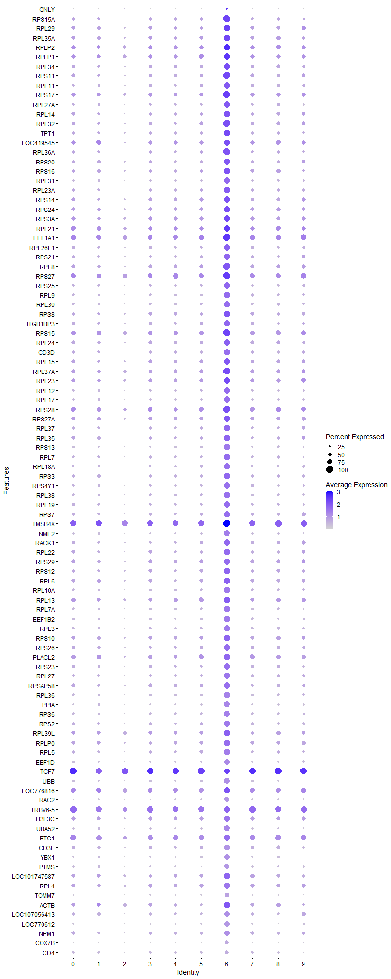
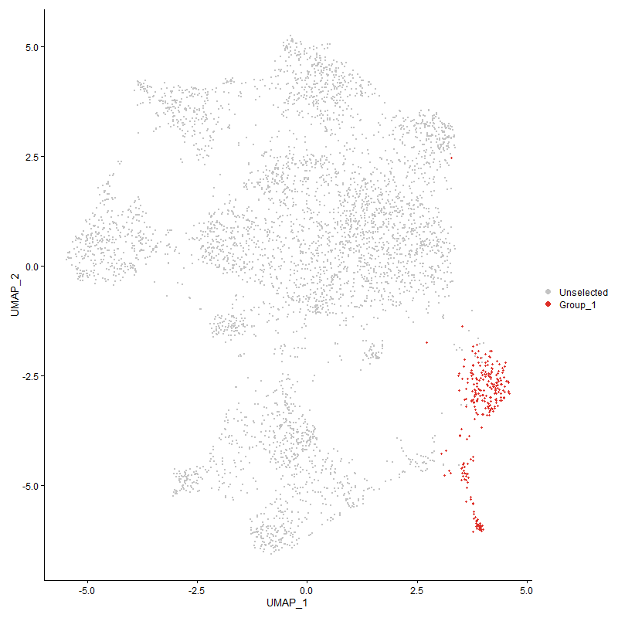
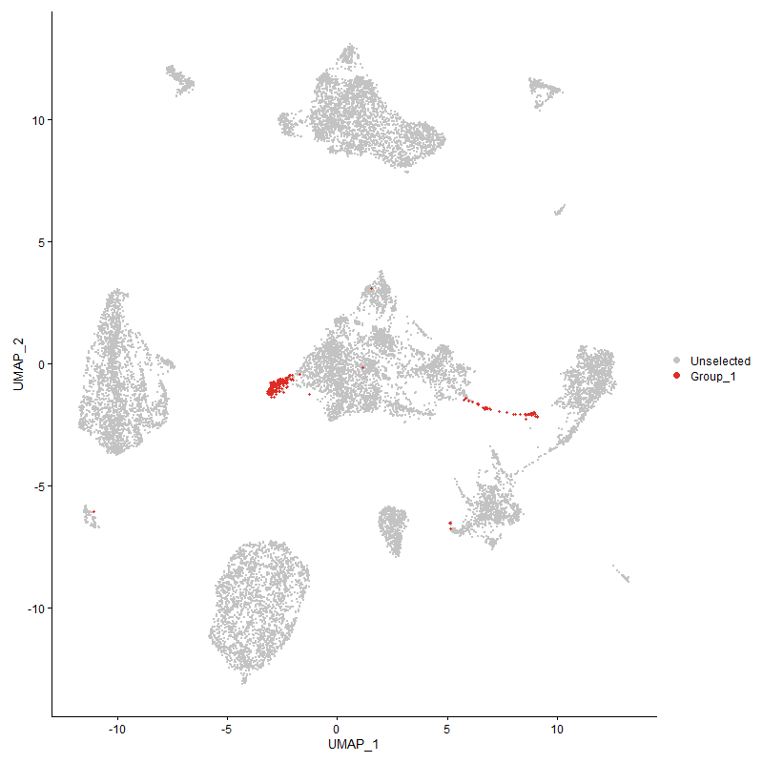
...

Cluster7
...
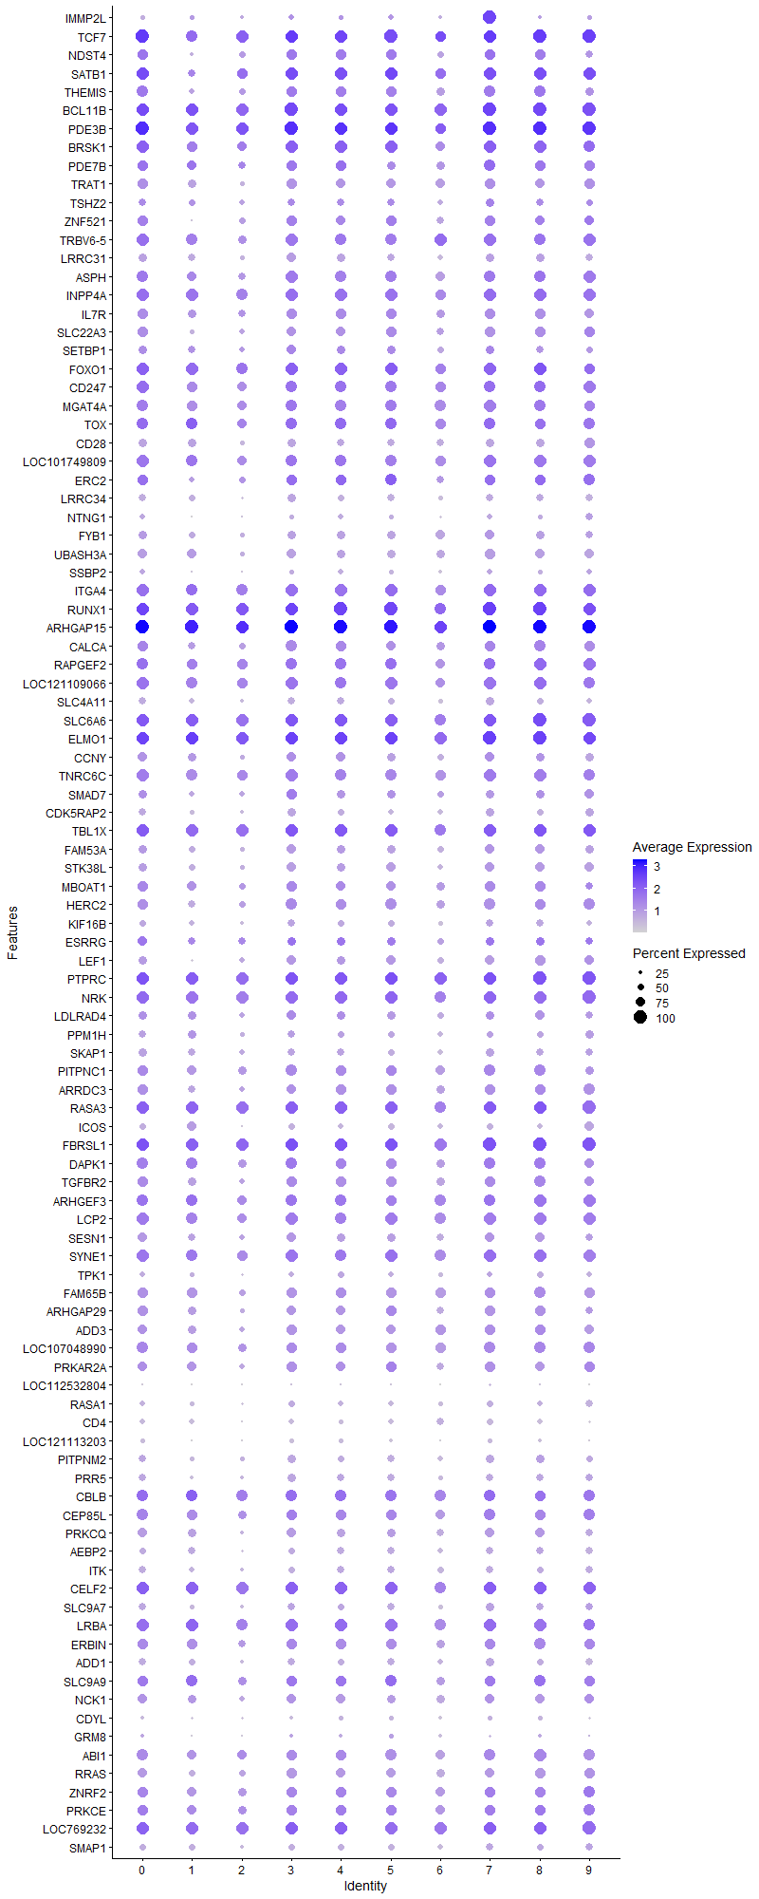
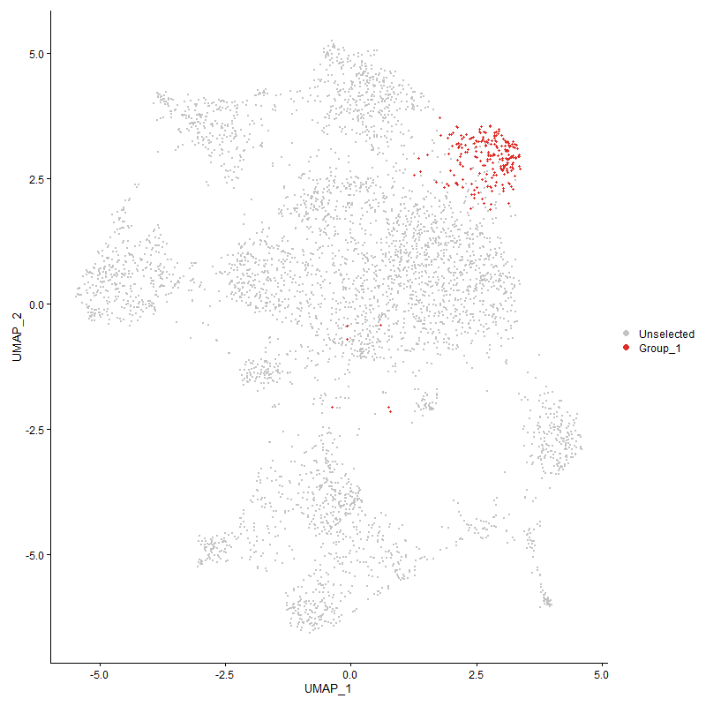
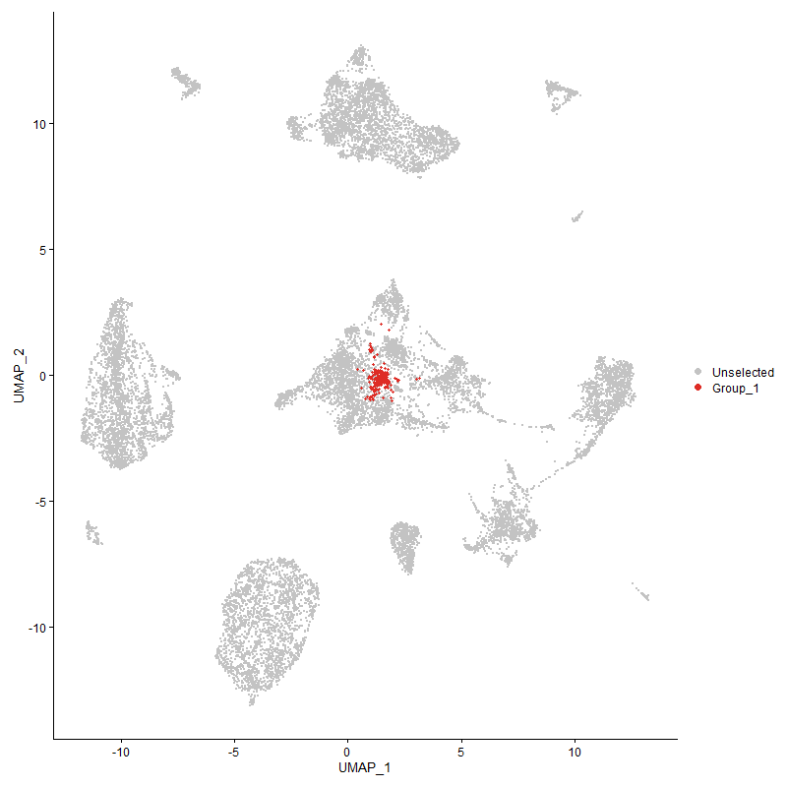
...

Cluster8
...
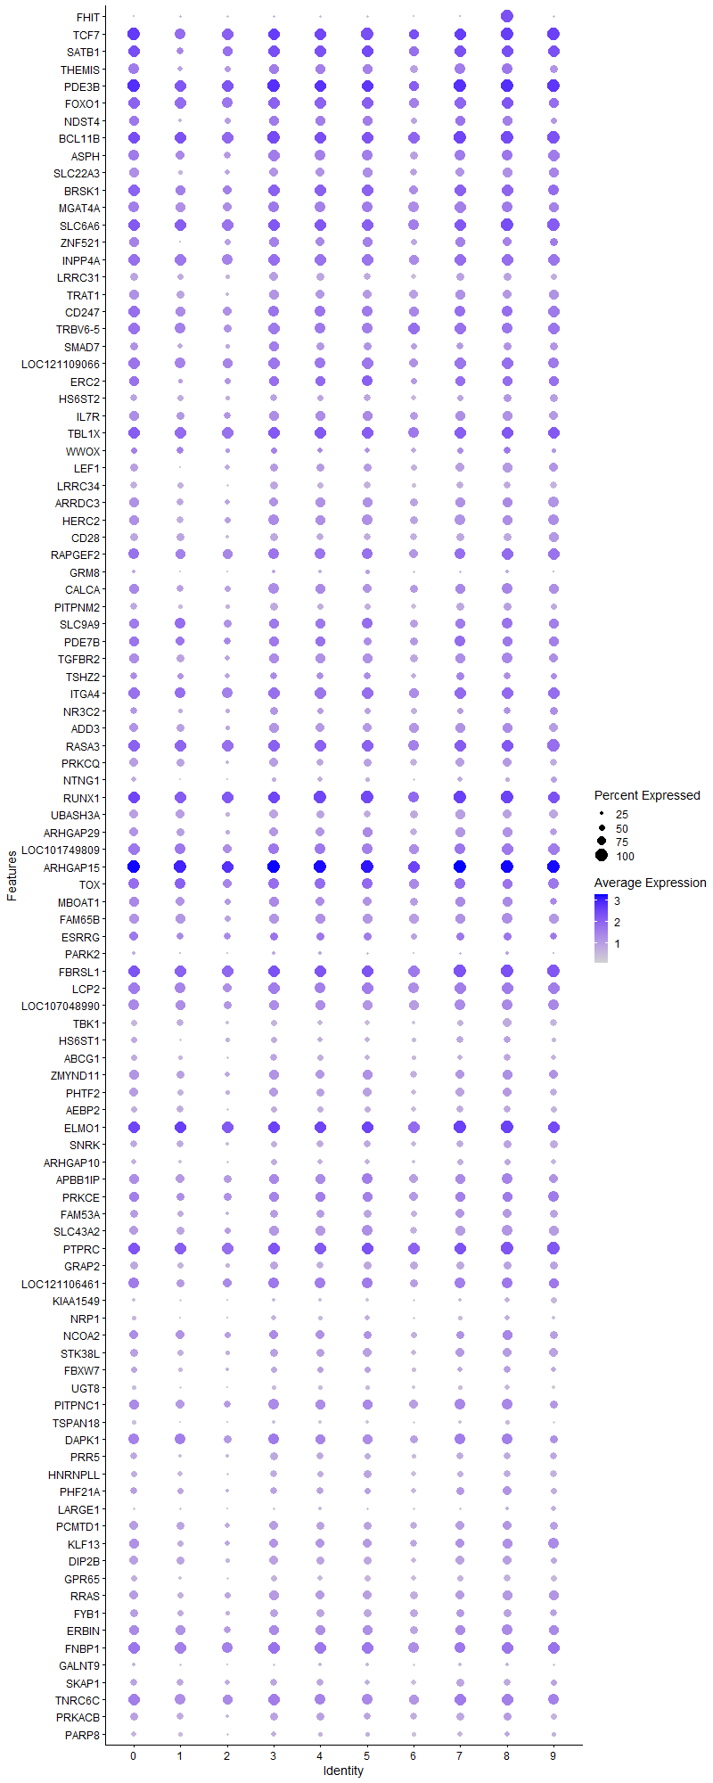
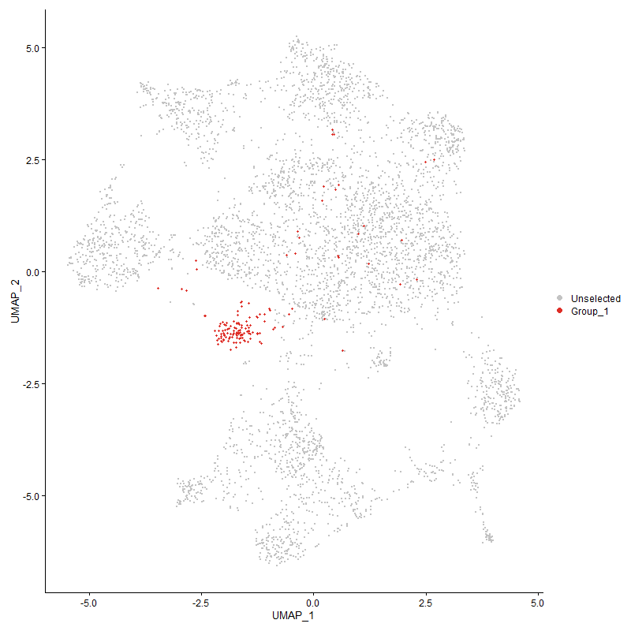
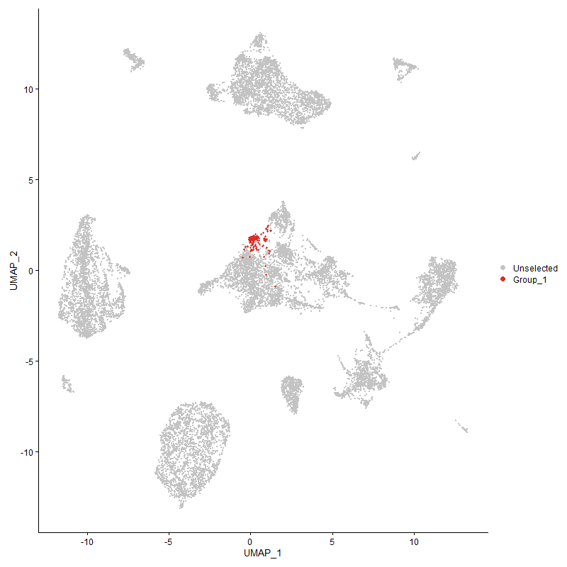
...

Cluster9
...



