Clustered cells
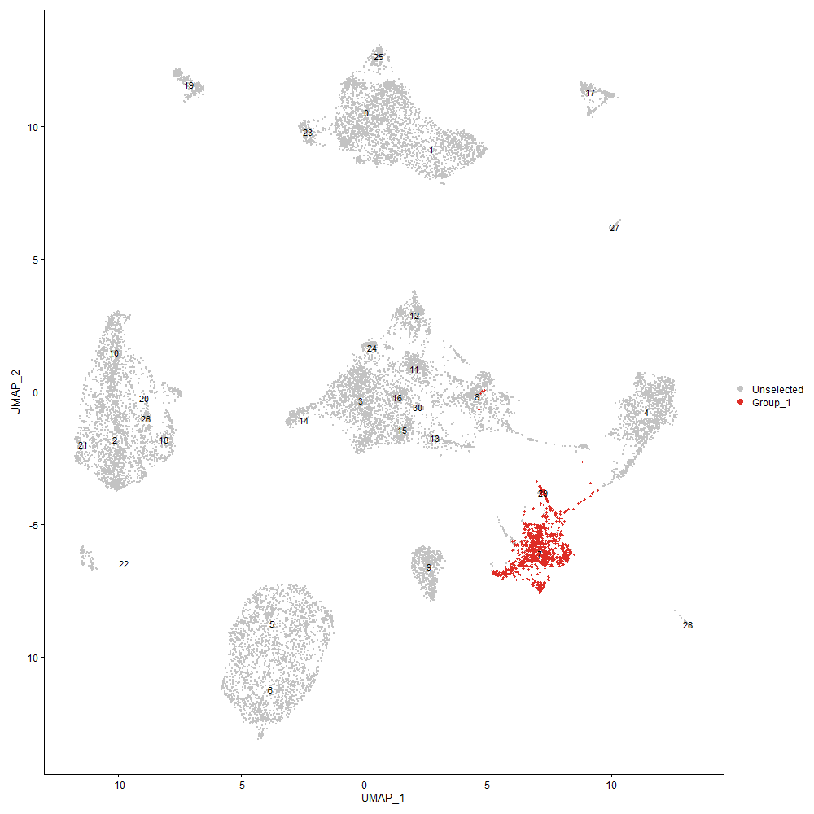
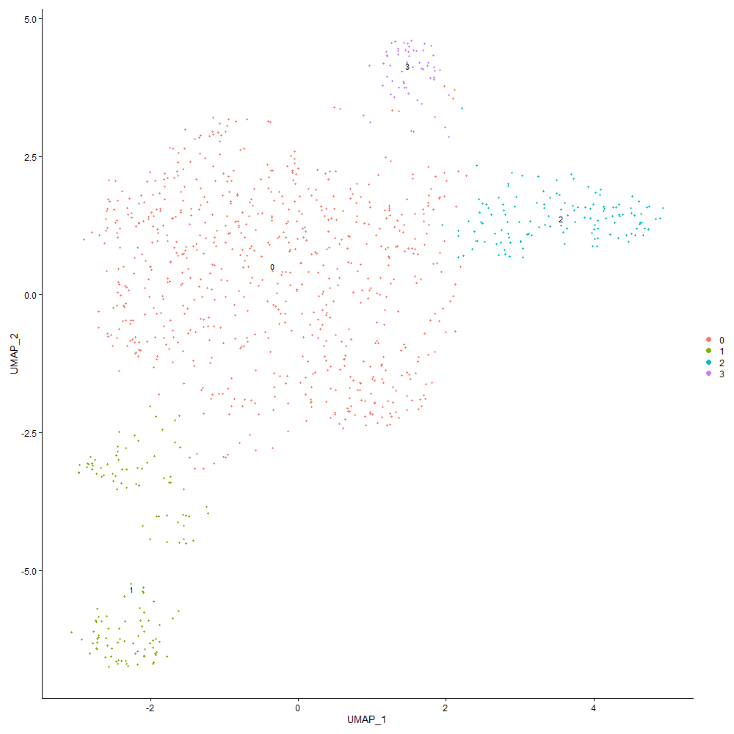
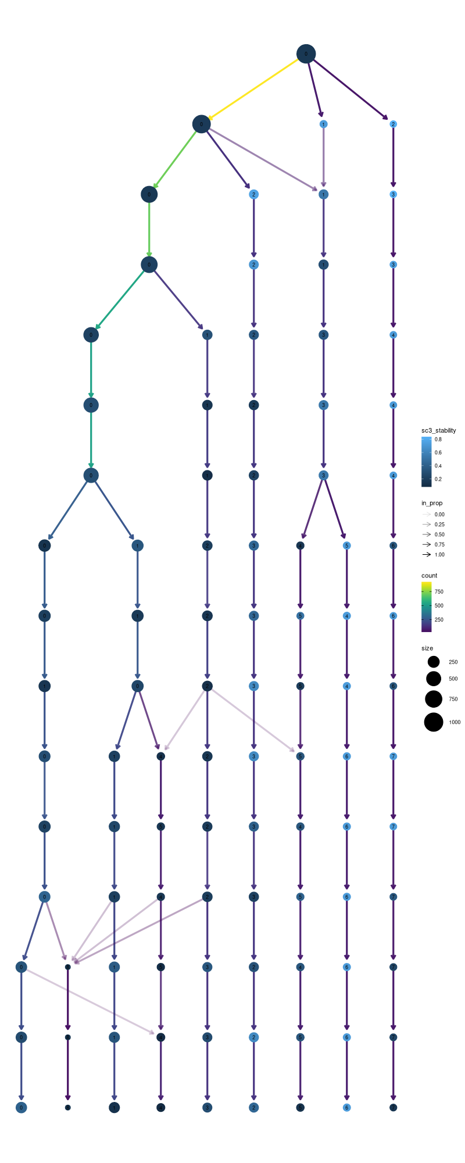

Cluster0
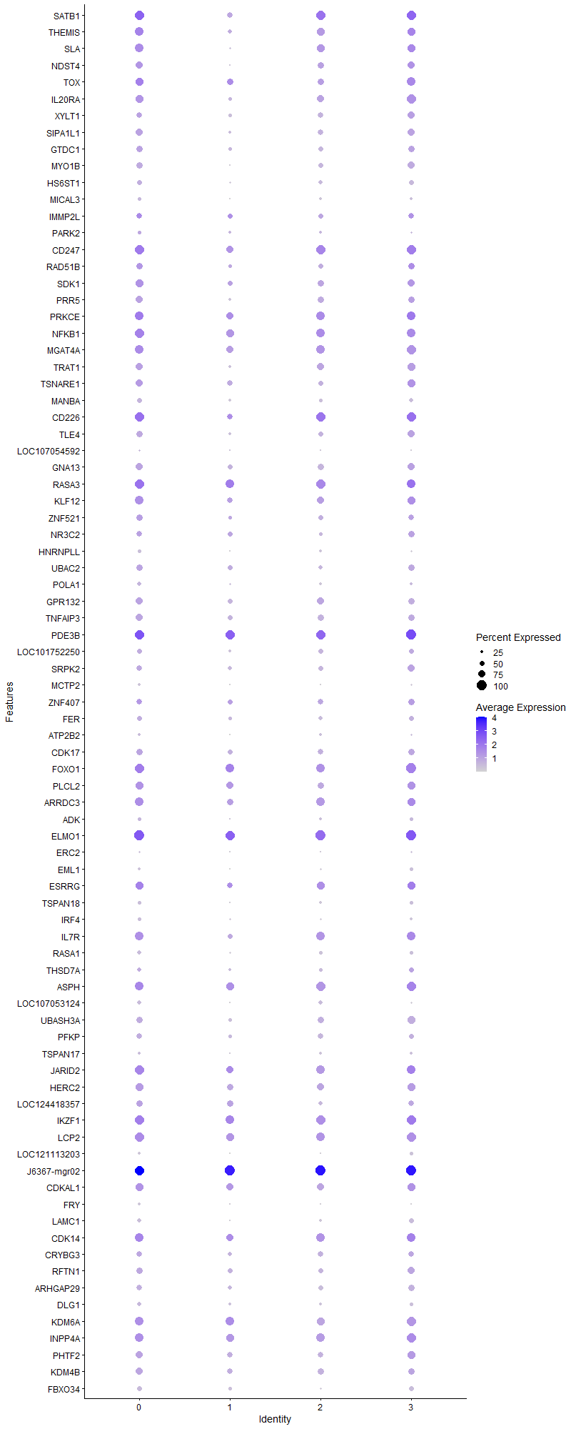
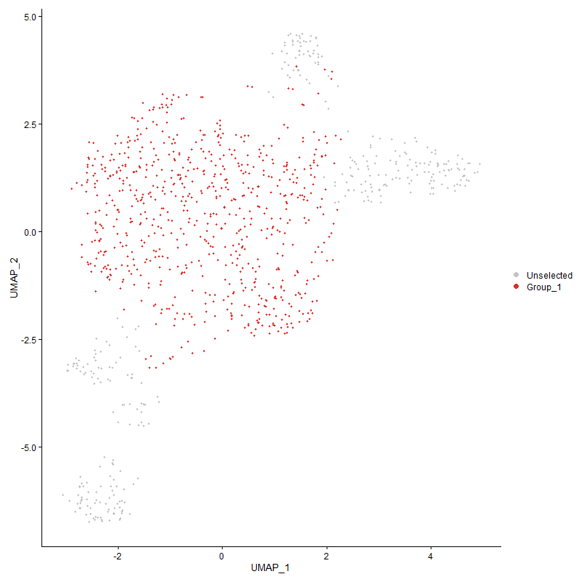
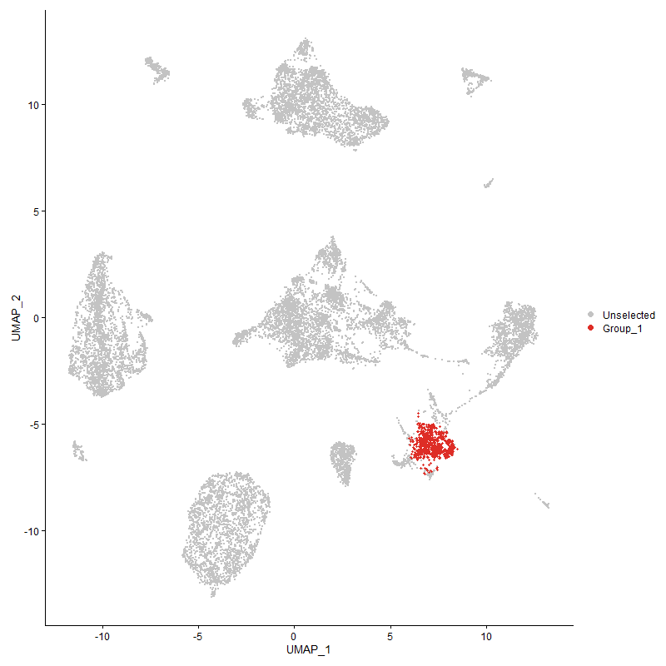
 | p_val | avg_log2FC | pct.1 | pct.2 | p_val_adj | cluster | gene
SATB1 | 1.0709692067E-42 | 0.88366666904 | 0.98 | 0.799 | 1.6354770756E-38 | 0 | SATB1
THEMIS | 7.0676996981E-25 | 0.78078932705 | 0.878 | 0.659 | 1.0793084209E-20 | 0 | THEMIS
SLA | 7.4231892095E-21 | 0.62127373635 | 0.847 | 0.567 | 1.1335952242E-16 | 0 | SLA
NDST4 | 5.7772145427E-18 | 0.61491304818 | 0.73 | 0.451 | 8.8223843281E-14 | 0 | NDST4
TOX | 5.1975424281E-11 | 0.54384936518 | 0.836 | 0.72 | 7.937167042E-07 | 0 | TOX
IL20RA | 1.4983493555E-17 | 0.52823918431 | 0.842 | 0.622 | 2.2881293008E-13 | 0 | IL20RA
XYLT1 | 3.4450150438E-09 | 0.51948265853 | 0.616 | 0.482 | 5.2608824734E-05 | 0 | XYLT1
SIPA1L1 | 6.2113726517E-14 | 0.51154926674 | 0.716 | 0.476 | 9.4853871764E-10 | 0 | SIPA1L1
GTDC1 | 1.1472095009E-12 | 0.51119784467 | 0.681 | 0.473 | 1.7519036288E-08 | 0 | GTDC1
MYO1B | 1.7033036084E-15 | 0.50778228234 | 0.637 | 0.375 | 2.6011149405E-11 | 0 | MYO1B
HS6ST1 | 1.7153072008E-10 | 0.50489986769 | 0.518 | 0.348 | 2.6194456263E-06 | 0 | HS6ST1
MICAL3 | 1.2320349182E-08 | 0.49185795628 | 0.342 | 0.183 | 0.00018814405236 | 0 | MICAL3
IMMP2L | 0.00018297101752 | 0.46715414324 | 0.599 | 0.512 | 1 | 0 | IMMP2L
PARK2 | 0.0020324314524 | 0.46273424131 | 0.331 | 0.256 | 1 | 0 | PARK2
CD247 | 9.772047596E-14 | 0.46215785495 | 0.936 | 0.875 | 1.4922893884E-09 | 0 | CD247
RAD51B | 1.1827285434E-08 | 0.4544189731 | 0.627 | 0.445 | 0.00018061447586 | 0 | RAD51B
SDK1 | 9.3109629179E-11 | 0.44035133978 | 0.805 | 0.628 | 1.4218771472E-06 | 0 | SDK1
PRR5 | 3.0080168086E-15 | 0.43408403655 | 0.763 | 0.494 | 4.5935424684E-11 | 0 | PRR5
PRKCE | 9.4160899506E-10 | 0.42163067602 | 0.917 | 0.838 | 1.4379310963E-05 | 0 | PRKCE
NFKB1 | 3.6880847973E-09 | 0.4209531371 | 0.924 | 0.866 | 5.6320742939E-05 | 0 | NFKB1
MGAT4A | 3.0496230513E-10 | 0.40637179869 | 0.903 | 0.838 | 4.6570793616E-06 | 0 | MGAT4A
TRAT1 | 3.6790972872E-11 | 0.40574886202 | 0.752 | 0.552 | 5.6183494673E-07 | 0 | TRAT1
TSNARE1 | 3.2717283112E-07 | 0.39310314027 | 0.7 | 0.573 | 0.0049962563041 | 0 | TSNARE1
MANBA | 1.777823532E-07 | 0.38505487749 | 0.487 | 0.338 | 0.0027149143157 | 0 | MANBA
CD226 | 2.4520329831E-12 | 0.37791173252 | 0.978 | 0.826 | 3.7444995684E-08 | 0 | CD226
TLE4 | 1.9775152214E-08 | 0.37332500576 | 0.619 | 0.433 | 0.00030198634945 | 0 | TLE4
LOC107054592 | 0.00028713402957 | 0.37042429516 | 0.221 | 0.131 | 1 | 0 | LOC107054592
GNA13 | 9.1798066179E-12 | 0.36985027563 | 0.755 | 0.591 | 1.4018482686E-07 | 0 | GNA13
RASA3 | 6.7456975996E-13 | 0.36957892704 | 0.972 | 0.918 | 1.0301354804E-08 | 0 | RASA3
KLF12 | 2.3546397814E-10 | 0.3680754954 | 0.856 | 0.683 | 3.5957704102E-06 | 0 | KLF12
ZNF521 | 3.1536048458E-07 | 0.34797503268 | 0.637 | 0.473 | 0.00481586996 | 0 | ZNF521
NR3C2 | 0.0011620938465 | 0.34751193052 | 0.562 | 0.466 | 1 | 0 | NR3C2
HNRNPLL | 1.6937104191E-09 | 0.34519792164 | 0.357 | 0.174 | 2.586465181E-05 | 0 | HNRNPLL
UBAC2 | 1.2145326172E-07 | 0.34132406814 | 0.658 | 0.515 | 0.0018547127597 | 0 | UBAC2
POLA1 | 5.650582203E-06 | 0.33694464945 | 0.396 | 0.256 | 0.086290040822 | 0 | POLA1
GPR132 | 1.2116050269E-06 | 0.32917964469 | 0.718 | 0.61 | 0.018502420366 | 0 | GPR132
TNFAIP3 | 4.4747897262E-07 | 0.32898285242 | 0.714 | 0.585 | 0.0068334513909 | 0 | TNFAIP3
PDE3B | 6.0262195289E-13 | 0.328349167 | 0.997 | 0.985 | 9.2026398425E-09 | 0 | PDE3B
LOC101752250 | 0.00097217272346 | 0.32831720529 | 0.489 | 0.396 | 1 | 0 | LOC101752250
SRPK2 | 1.7478795202E-05 | 0.32316621566 | 0.616 | 0.518 | 0.26691868154 | 0 | SRPK2
MCTP2 | 8.7346648911E-09 | 0.31937006614 | 0.235 | 0.088 | 0.00013338706755 | 0 | MCTP2
ZNF407 | 0.0014919914737 | 0.31842260956 | 0.597 | 0.54 | 1 | 0 | ZNF407
FER | 3.8587847257E-05 | 0.31597731743 | 0.525 | 0.409 | 0.58927501547 | 0 | FER
ATP2B2 | 0.0044316965296 | 0.31542754253 | 0.244 | 0.174 | 1 | 0 | ATP2B2
CDK17 | 2.941534955E-05 | 0.3139988617 | 0.655 | 0.558 | 0.44920180298 | 0 | CDK17
FOXO1 | 1.086397067E-07 | 0.31307388636 | 0.936 | 0.896 | 0.001659036961 | 0 | FOXO1
PLCL2 | 0.00014110491863 | 0.30760794724 | 0.805 | 0.738 | 1 | 0 | PLCL2
ARRDC3 | 6.9103572303E-07 | 0.30760017361 | 0.86 | 0.793 | 0.010552806526 | 0 | ARRDC3
ADK | 0.00086023249199 | 0.30702309909 | 0.339 | 0.244 | 1 | 0 | ADK
ELMO1 | 1.9177615063E-11 | 0.30672299727 | 1 | 0.991 | 2.9286135963E-07 | 0 | ELMO1
ERC2 | 0.0098124556057 | 0.30631486357 | 0.171 | 0.11 | 1 | 0 | ERC2
EML1 | 0.0009600046444 | 0.3058898848 | 0.242 | 0.162 | 1 | 0 | EML1
ESRRG | 8.0373443705E-05 | 0.30363627035 | 0.784 | 0.72 | 1 | 0 | ESRRG
TSPAN18 | 5.8060965695E-07 | 0.2999048178 | 0.359 | 0.207 | 0.0088664900713 | 0 | TSPAN18
IRF4 | 2.5884802627E-07 | 0.29985588962 | 0.38 | 0.223 | 0.0039528682092 | 0 | IRF4
IL7R | 1.0122143969E-06 | 0.29950172576 | 0.874 | 0.744 | 0.015457526055 | 0 | IL7R
RASA1 | 2.3647730218E-06 | 0.29320640299 | 0.402 | 0.265 | 0.036112448816 | 0 | RASA1
THSD7A | 0.00036559731681 | 0.29195430945 | 0.448 | 0.345 | 1 | 0 | THSD7A
ASPH | 2.5939980409E-06 | 0.28618878259 | 0.915 | 0.881 | 0.039612944083 | 0 | ASPH
LOC107053124 | 8.432736409E-10 | 0.28594981828 | 0.44 | 0.238 | 1.287763177E-05 | 0 | LOC107053124
UBASH3A | 6.7179805429E-06 | 0.28321193752 | 0.669 | 0.573 | 0.10259028087 | 0 | UBASH3A
PFKP | 5.0644181789E-06 | 0.28067839928 | 0.606 | 0.482 | 0.077338730009 | 0 | PFKP
TSPAN17 | 0.0029211521982 | 0.28046993268 | 0.308 | 0.235 | 1 | 0 | TSPAN17
JARID2 | 5.3630688566E-10 | 0.27966249007 | 0.958 | 0.82 | 8.1899424509E-06 | 0 | JARID2
HERC2 | 1.2462788533E-06 | 0.27852210717 | 0.831 | 0.726 | 0.019031924368 | 0 | HERC2
LOC124418357 | 0.0017788307538 | 0.27814385269 | 0.622 | 0.549 | 1 | 0 | LOC124418357
IKZF1 | 1.0069047994E-07 | 0.274888604 | 0.944 | 0.912 | 0.0015376443191 | 0 | IKZF1
LCP2 | 9.9747153077E-07 | 0.27317290723 | 0.936 | 0.863 | 0.015232387746 | 0 | LCP2
LOC121113203 | 3.6578427282E-08 | 0.27209227451 | 0.28 | 0.131 | 0.00055858916302 | 0 | LOC121113203
J6367-mgr02 | 4.3716362682E-08 | 0.269424673 | 0.999 | 1 | 0.00066759257452 | 0 | J6367-mgr02
CDKAL1 | 0.00028877591306 | 0.26860567219 | 0.796 | 0.741 | 1 | 0 | CDKAL1
FRY | 5.0003775681E-06 | 0.26791806433 | 0.235 | 0.119 | 0.076360765843 | 0 | FRY
LAMC1 | 1.1335068107E-06 | 0.26723704704 | 0.409 | 0.262 | 0.017309782506 | 0 | LAMC1
CDK14 | 3.6675124674E-07 | 0.26609519971 | 0.894 | 0.802 | 0.0056006582889 | 0 | CDK14
CRYBG3 | 0.00010040568482 | 0.26597469288 | 0.616 | 0.5 | 1 | 0 | CRYBG3
RFTN1 | 0.00011626928489 | 0.26569739425 | 0.678 | 0.558 | 1 | 0 | RFTN1
ARHGAP29 | 5.4039406352E-05 | 0.26304329725 | 0.585 | 0.497 | 0.8252357744 | 0 | ARHGAP29
DLG1 | 0.00052873574692 | 0.26047756858 | 0.405 | 0.296 | 1 | 0 | DLG1
KDM6A | 4.5976585449E-07 | 0.26004949139 | 0.913 | 0.857 | 0.007021084364 | 0 | KDM6A
INPP4A | 1.522472221E-06 | 0.25987327559 | 0.896 | 0.845 | 0.023249673287 | 0 | INPP4A
PHTF2 | 1.2441934504E-06 | 0.25193303262 | 0.769 | 0.637 | 0.019000078181 | 0 | PHTF2
KDM4B | 1.4731541395E-05 | 0.2507907692 | 0.717 | 0.616 | 0.22496536865 | 0 | KDM4B
FBXO34 | 4.563453461E-06 | 0.25007920264 | 0.479 | 0.329 | 0.069688497802 | 0 | FBXO34

Cluster1
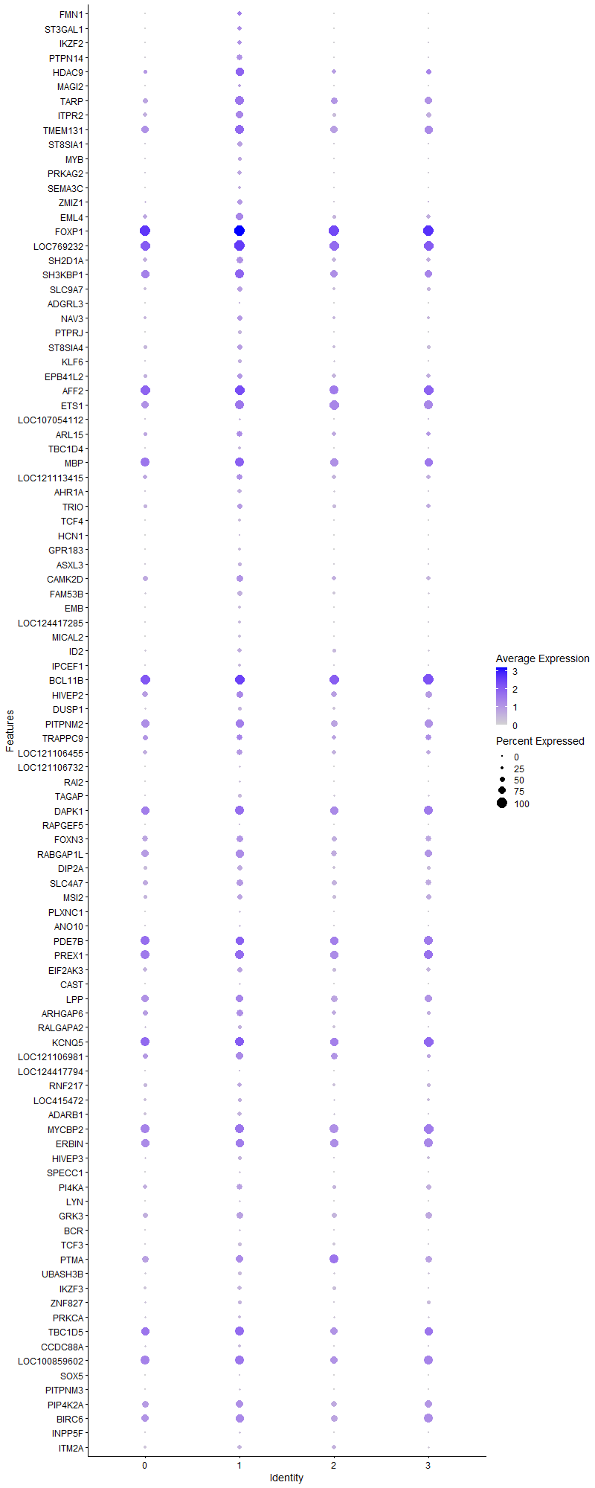
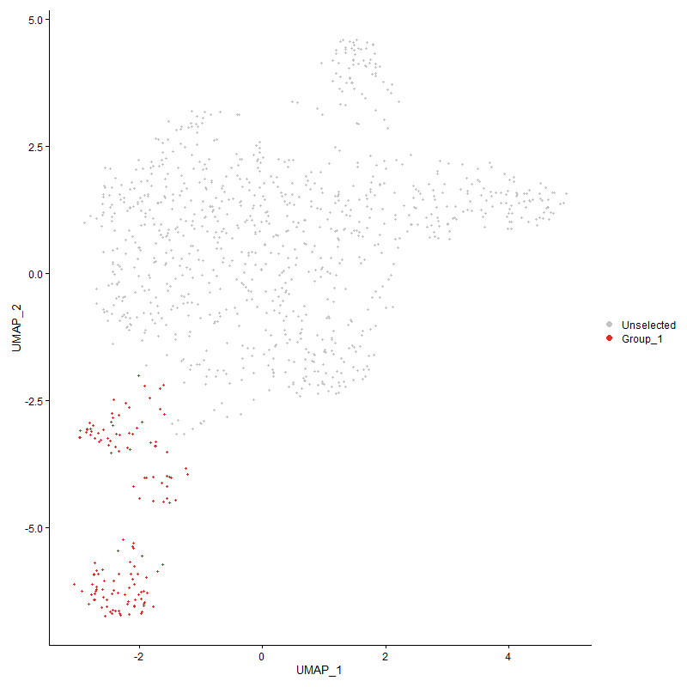
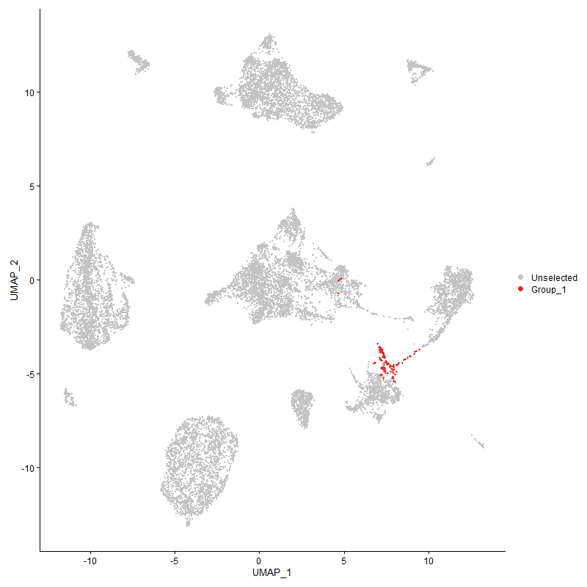
 | p_val | avg_log2FC | pct.1 | pct.2 | p_val_adj | cluster | gene
FMN1 | 1.8113043947E-84 | 2.0572986695 | 0.406 | 0.001 | 2.7660429412E-80 | 1 | FMN1
ST3GAL1 | 5.0110288675E-78 | 1.7052708888 | 0.384 | 0.002 | 7.6523421836E-74 | 1 | ST3GAL1
IKZF2 | 6.3453103443E-56 | 1.5305711191 | 0.377 | 0.02 | 9.6899234268E-52 | 1 | IKZF2
PTPN14 | 1.8665373119E-64 | 1.4514854335 | 0.565 | 0.061 | 2.850389129E-60 | 1 | PTPN14
HDAC9 | 5.150285688E-26 | 1.2802978386 | 0.768 | 0.367 | 7.8650012742E-22 | 1 | HDAC9
MAGI2 | 1.6933015937E-30 | 1.099035662 | 0.246 | 0.02 | 2.5858408637E-26 | 1 | MAGI2
TARP | 4.7189369401E-27 | 1.0832527437 | 0.87 | 0.506 | 7.2062886012E-23 | 1 | TARP
ITPR2 | 1.2063967664E-21 | 1.0586919048 | 0.746 | 0.425 | 1.842288502E-17 | 1 | ITPR2
TMEM131 | 1.96558878E-20 | 1.0519186595 | 0.899 | 0.747 | 3.001650626E-16 | 1 | TMEM131
ST8SIA1 | 5.9125103215E-38 | 1.0338592173 | 0.464 | 0.077 | 9.028994512E-34 | 1 | ST8SIA1
MYB | 1.2776880114E-22 | 0.95108601217 | 0.333 | 0.072 | 1.9511573623E-18 | 1 | MYB
PRKAG2 | 1.1025075608E-20 | 0.8782549753 | 0.406 | 0.119 | 1.6836392961E-16 | 1 | PRKAG2
SEMA3C | 6.9966062887E-34 | 0.8680133778 | 0.232 | 0.012 | 1.0684517463E-29 | 1 | SEMA3C
ZMIZ1 | 8.0397032208E-19 | 0.84665952273 | 0.522 | 0.191 | 1.2277430789E-14 | 1 | ZMIZ1
EML4 | 3.1349751358E-16 | 0.84025658641 | 0.725 | 0.433 | 4.7874205299E-12 | 1 | EML4
FOXP1 | 7.7710264457E-26 | 0.80309632971 | 1 | 1 | 1.1867134485E-21 | 1 | FOXP1
LOC769232 | 3.4938055534E-18 | 0.78527314666 | 1 | 0.957 | 5.3353904607E-14 | 1 | LOC769232
SH2D1A | 2.6702174186E-09 | 0.76564215227 | 0.616 | 0.424 | 4.07768902E-05 | 1 | SH2D1A
SH3KBP1 | 1.7649837671E-13 | 0.75553304795 | 0.899 | 0.795 | 2.6953067107E-09 | 1 | SH3KBP1
SLC9A7 | 1.2603604077E-10 | 0.73749451057 | 0.507 | 0.277 | 1.9246963786E-06 | 1 | SLC9A7
ADGRL3 | 6.2705073224E-25 | 0.73696559417 | 0.116 | 0 | 9.5756917321E-21 | 1 | ADGRL3
NAV3 | 7.9753690425E-09 | 0.72127892453 | 0.464 | 0.269 | 0.00012179186065 | 1 | NAV3
PTPRJ | 1.0728713223E-47 | 0.70539551517 | 0.319 | 0.015 | 1.6383817962E-43 | 1 | PTPRJ
ST8SIA4 | 3.9531883273E-07 | 0.66160201176 | 0.493 | 0.331 | 0.0060369138946 | 1 | ST8SIA4
KLF6 | 1.0931552812E-09 | 0.66044556472 | 0.312 | 0.129 | 1.66935743E-05 | 1 | KLF6
EPB41L2 | 2.3791682822E-05 | 0.63803164249 | 0.514 | 0.381 | 0.36332278837 | 1 | EPB41L2
AFF2 | 5.8193035022E-14 | 0.63719125713 | 0.971 | 0.945 | 8.8866583782E-10 | 1 | AFF2
ETS1 | 1.9862651889E-11 | 0.6289279461 | 0.913 | 0.785 | 3.03322557E-07 | 1 | ETS1
LOC107054112 | 0.00011669980102 | 0.62100479532 | 0.203 | 0.1 | 1 | 1 | LOC107054112
ARL15 | 1.2334062523E-06 | 0.62066769197 | 0.536 | 0.351 | 0.018835346878 | 1 | ARL15
TBC1D4 | 3.596148882E-15 | 0.61756534227 | 0.275 | 0.07 | 5.4916789576E-11 | 1 | TBC1D4
MBP | 1.1196788895E-10 | 0.61418129854 | 0.92 | 0.843 | 1.7098616322E-06 | 1 | MBP
LOC121113415 | 6.4041754933E-05 | 0.61256729185 | 0.565 | 0.42 | 0.97798163959 | 1 | LOC121113415
AHR1A | 2.0791406449E-14 | 0.59833798211 | 0.384 | 0.129 | 3.1750556789E-10 | 1 | AHR1A
TRIO | 1.3735385598E-06 | 0.59063910468 | 0.514 | 0.333 | 0.020975307347 | 1 | TRIO
TCF4 | 2.059889736E-39 | 0.58413075391 | 0.261 | 0.012 | 3.1456576159E-35 | 1 | TCF4
HCN1 | 1.2490797284E-27 | 0.58336748117 | 0.138 | 0.001 | 1.9074696533E-23 | 1 | HCN1
GPR183 | 3.3337114073E-35 | 0.5766632943 | 0.254 | 0.015 | 5.0909106901E-31 | 1 | GPR183
ASXL3 | 6.1525003572E-10 | 0.57601820324 | 0.319 | 0.127 | 9.3954832955E-06 | 1 | ASXL3
CAMK2D | 1.0874003829E-06 | 0.56538077226 | 0.609 | 0.439 | 0.016605691247 | 1 | CAMK2D
FAM53B | 1.2561196237E-18 | 0.55289542185 | 0.493 | 0.181 | 1.9182202773E-14 | 1 | FAM53B
EMB | 6.5385775548E-29 | 0.55183190773 | 0.225 | 0.017 | 9.985061784E-25 | 1 | EMB
LOC124417285 | 1.5720116768E-12 | 0.54839323448 | 0.225 | 0.056 | 2.4006190317E-08 | 1 | LOC124417285
MICAL2 | 2.076416635E-45 | 0.54490724786 | 0.239 | 0.003 | 3.1708958433E-41 | 1 | MICAL2
ID2 | 1.6319665166E-10 | 0.54421691005 | 0.42 | 0.2 | 2.4921760676E-06 | 1 | ID2
IPCEF1 | 1.7264086208E-10 | 0.54172950419 | 0.254 | 0.083 | 2.6363986048E-06 | 1 | IPCEF1
BCL11B | 9.3731724176E-09 | 0.53015728425 | 0.993 | 0.979 | 0.00014313771599 | 1 | BCL11B
HIVEP2 | 0.006108514998 | 0.5280906455 | 0.652 | 0.6 | 1 | 1 | HIVEP2
DUSP1 | 2.8922339606E-07 | 0.50090199986 | 0.355 | 0.184 | 0.0044167304813 | 1 | DUSP1
PITPNM2 | 9.0091133528E-05 | 0.49552107477 | 0.775 | 0.749 | 1 | 1 | PITPNM2
TRAPPC9 | 0.0062546305938 | 0.49098060153 | 0.543 | 0.462 | 1 | 1 | TRAPPC9
LOC121106455 | 1.4996813718E-05 | 0.48729789742 | 0.551 | 0.405 | 0.22901634228 | 1 | LOC121106455
LOC121106732 | 2.0097578965E-36 | 0.47915280238 | 0.196 | 0.003 | 3.0691012837E-32 | 1 | LOC121106732
RAI2 | 2.4223023986E-31 | 0.47820689579 | 0.203 | 0.009 | 3.6990979929E-27 | 1 | RAI2
TAGAP | 1.3741716138E-11 | 0.46963327755 | 0.326 | 0.118 | 2.0984974714E-07 | 1 | TAGAP
DAPK1 | 9.4055972522E-05 | 0.46449032292 | 0.87 | 0.824 | 1 | 1 | DAPK1
RAPGEF5 | 2.7509732805E-23 | 0.46094684948 | 0.138 | 0.004 | 4.2010112966E-19 | 1 | RAPGEF5
FOXN3 | 0.0017035230525 | 0.44847020162 | 0.63 | 0.544 | 1 | 1 | FOXN3
RABGAP1L | 6.3279918638E-05 | 0.44258290389 | 0.768 | 0.704 | 0.96634763752 | 1 | RABGAP1L
DIP2A | 2.8841748572E-07 | 0.44257829302 | 0.514 | 0.31 | 0.0044044234245 | 1 | DIP2A
SLC4A7 | 1.1040550735E-05 | 0.43917685286 | 0.645 | 0.504 | 0.16860025027 | 1 | SLC4A7
MSI2 | 0.0022795754869 | 0.43540922608 | 0.486 | 0.369 | 1 | 1 | MSI2
PLXNC1 | 2.9791839697E-16 | 0.42587097448 | 0.217 | 0.04 | 4.5495118402E-12 | 1 | PLXNC1
ANO10 | 2.7526867865E-07 | 0.42555448989 | 0.196 | 0.066 | 0.0042036279916 | 1 | ANO10
PDE7B | 0.0051919771832 | 0.41967353693 | 0.797 | 0.851 | 1 | 1 | PDE7B
PREX1 | 6.0146026199E-05 | 0.41847832761 | 0.884 | 0.844 | 0.91848996609 | 1 | PREX1
EIF2AK3 | 0.0011332502612 | 0.41756061895 | 0.493 | 0.414 | 1 | 1 | EIF2AK3
CAST | 1.1652713687E-31 | 0.41318538357 | 0.21 | 0.01 | 1.7794859072E-27 | 1 | CAST
LPP | 0.002697468378 | 0.40766858146 | 0.761 | 0.726 | 1 | 1 | LPP
ARHGAP6 | 0.00021559186294 | 0.40573428695 | 0.609 | 0.444 | 1 | 1 | ARHGAP6
RALGAPA2 | 6.1911282549E-06 | 0.40493128236 | 0.362 | 0.202 | 0.09454471958 | 1 | RALGAPA2
KCNQ5 | 1.4114824268E-05 | 0.40455105819 | 0.899 | 0.879 | 0.21554748139 | 1 | KCNQ5
LOC121106981 | 4.2976111988E-06 | 0.40107451554 | 0.717 | 0.525 | 0.065628820616 | 1 | LOC121106981
LOC124417794 | 5.7571121082E-06 | 0.3999118946 | 0.116 | 0.032 | 0.087916859004 | 1 | LOC124417794
RNF217 | 0.0041220289833 | 0.39779181284 | 0.449 | 0.357 | 1 | 1 | RNF217
LOC415472 | 0.0021324728941 | 0.38630905019 | 0.348 | 0.226 | 1 | 1 | LOC415472
ADARB1 | 2.326269886E-07 | 0.38370262312 | 0.406 | 0.21 | 0.0035524467429 | 1 | ADARB1
MYCBP2 | 0.0041942108292 | 0.38141114254 | 0.884 | 0.874 | 1 | 1 | MYCBP2
ERBIN | 0.0016164104255 | 0.37761850525 | 0.804 | 0.809 | 1 | 1 | ERBIN
HIVEP3 | 4.6125581281E-06 | 0.37744808097 | 0.333 | 0.178 | 0.070438375174 | 1 | HIVEP3
SPECC1 | 1.351395908E-13 | 0.37257910414 | 0.152 | 0.022 | 2.0637166912E-09 | 1 | SPECC1
PI4KA | 0.00016837614593 | 0.3678338049 | 0.565 | 0.42 | 1 | 1 | PI4KA
LYN | 1.101847176E-18 | 0.36757934143 | 0.167 | 0.017 | 1.6826308225E-14 | 1 | LYN
GRK3 | 0.00069618893146 | 0.36595244213 | 0.623 | 0.522 | 1 | 1 | GRK3
BCR | 0.00024225152299 | 0.36072653903 | 0.181 | 0.087 | 1 | 1 | BCR
TCF3 | 2.1930580471E-08 | 0.35739969446 | 0.304 | 0.134 | 0.00033490189437 | 1 | TCF3
PTMA | 0.00037766235762 | 0.35476104871 | 0.754 | 0.665 | 1 | 1 | PTMA
UBASH3B | 5.7159097373E-08 | 0.35460288661 | 0.341 | 0.157 | 0.00087287657598 | 1 | UBASH3B
IKZF3 | 1.4893515767E-07 | 0.35135130718 | 0.435 | 0.24 | 0.0022743887928 | 1 | IKZF3
ZNF827 | 6.2952087384E-05 | 0.35063321335 | 0.326 | 0.181 | 0.96134132644 | 1 | ZNF827
PRKCA | 0.0030837708342 | 0.35055581347 | 0.254 | 0.166 | 1 | 1 | PRKCA
TBC1D5 | 0.00054305032219 | 0.35030228103 | 0.855 | 0.804 | 1 | 1 | TBC1D5
CCDC88A | 0.00011968687478 | 0.34964897137 | 0.268 | 0.146 | 1 | 1 | CCDC88A
LOC100859602 | 0.00021952359861 | 0.34482868558 | 0.855 | 0.838 | 1 | 1 | LOC100859602
SOX5 | 9.8444331271E-17 | 0.34033059051 | 0.13 | 0.01 | 1.5033433828E-12 | 1 | SOX5
PITPNM3 | 4.2485958733E-15 | 0.33833518516 | 0.196 | 0.033 | 6.4880307581E-11 | 1 | PITPNM3
PIP4K2A | 0.00057818983355 | 0.33767966298 | 0.725 | 0.657 | 1 | 1 | PIP4K2A
BIRC6 | 0.00012702122916 | 0.33616048941 | 0.833 | 0.753 | 1 | 1 | BIRC6
INPP5F | 6.2422245043E-06 | 0.33606627759 | 0.196 | 0.081 | 0.095325010406 | 1 | INPP5F
ITM2A | 8.6075682241E-05 | 0.33010242806 | 0.399 | 0.257 | 1 | 1 | ITM2A
PPFIBP1 | 2.7309615671E-12 | 0.32510556332 | 0.159 | 0.028 | 4.1704514091E-08 | 1 | PPFIBP1
MYH9 | 0.00022069975421 | 0.32137673688 | 0.862 | 0.811 | 1 | 1 | MYH9
BRWD1 | 1.5674319728E-05 | 0.31877865628 | 0.457 | 0.292 | 0.23936253656 | 1 | BRWD1
ARHGEF12 | 0.00018368902567 | 0.31508760986 | 0.377 | 0.24 | 1 | 1 | ARHGEF12
PCNX2 | 0.00034649989277 | 0.31266494759 | 0.275 | 0.157 | 1 | 1 | PCNX2
PIK3CB | 0.00085088309317 | 0.30279965486 | 0.152 | 0.072 | 1 | 1 | PIK3CB
CHN2 | 3.2037033539E-22 | 0.30186890528 | 0.145 | 0.007 | 4.8923753917E-18 | 1 | CHN2
ARID4B | 0.00097735085672 | 0.29986772886 | 0.652 | 0.545 | 1 | 1 | ARID4B
TSHZ1 | 0.0055010050308 | 0.2988729803 | 0.203 | 0.119 | 1 | 1 | TSHZ1
FYN | 0.00059969507346 | 0.29818874095 | 0.862 | 0.78 | 1 | 1 | FYN
PDLIM5 | 0.00079281470883 | 0.29764201176 | 0.42 | 0.292 | 1 | 1 | PDLIM5
RAPGEF2 | 0.00062292507769 | 0.29615937113 | 0.797 | 0.723 | 1 | 1 | RAPGEF2
METRNL | 4.6081925402E-05 | 0.28990366227 | 0.268 | 0.14 | 0.70371708281 | 1 | METRNL
SH3PXD2B | 4.390650586E-09 | 0.2874763525 | 0.159 | 0.039 | 6.7049625099E-05 | 1 | SH3PXD2B
SVIL | 0.0014881182508 | 0.28641569351 | 0.326 | 0.211 | 1 | 1 | SVIL
PAM | 2.8566702481E-05 | 0.28538975093 | 0.101 | 0.029 | 0.43624211358 | 1 | PAM
ZC3H12C | 0.0057344036418 | 0.28448325072 | 0.145 | 0.079 | 1 | 1 | ZC3H12C
SOX6 | 0.00020514911396 | 0.28372243064 | 0.109 | 0.038 | 1 | 1 | SOX6
CCND1 | 0.0018595869257 | 0.28291968422 | 0.196 | 0.112 | 1 | 1 | CCND1
KLF2 | 0.00048777491098 | 0.28270816087 | 0.283 | 0.174 | 1 | 1 | KLF2
PRKCQ | 0.0023316161733 | 0.28175626493 | 0.616 | 0.531 | 1 | 1 | PRKCQ
TSPAN4 | 0.0052208606794 | 0.28130395086 | 0.971 | 0.965 | 1 | 1 | TSPAN4
SP1 | 6.0656704588E-05 | 0.28006583009 | 0.268 | 0.142 | 0.92628853576 | 1 | SP1
BCAT1 | 0.0013066527606 | 0.2792139601 | 0.543 | 0.43 | 1 | 1 | BCAT1
LCLAT1 | 0.002635984826 | 0.27888392043 | 0.486 | 0.348 | 1 | 1 | LCLAT1
LMF1 | 0.004318421675 | 0.2781581817 | 0.217 | 0.135 | 1 | 1 | LMF1
LRBA | 0.0069893209918 | 0.27553883183 | 0.957 | 0.939 | 1 | 1 | LRBA
JUN | 0.00637308405 | 0.27492193526 | 0.225 | 0.143 | 1 | 1 | JUN
FLNB | 1.1857328978E-05 | 0.27295587631 | 0.449 | 0.277 | 0.18107327083 | 1 | FLNB
ERGIC1 | 9.563593446E-05 | 0.26546160601 | 0.348 | 0.216 | 1 | 1 | ERGIC1
NOTCH1 | 1.9847741288E-05 | 0.26394377139 | 0.261 | 0.131 | 0.3030948572 | 1 | NOTCH1
CTDSPL | 0.0019132529063 | 0.26268356152 | 0.572 | 0.467 | 1 | 1 | CTDSPL
TTC28 | 1.3888375509E-11 | 0.2611930405 | 0.203 | 0.048 | 2.1208938239E-07 | 1 | TTC28
DIAPH2 | 0.003890417947 | 0.26093759662 | 0.833 | 0.831 | 1 | 1 | DIAPH2
FAM110B | 1.2392178567E-21 | 0.25460947984 | 0.116 | 0.002 | 1.8924095889E-17 | 1 | FAM110B
LOC124417627 | 2.69920125E-06 | 0.25369728165 | 0.181 | 0.066 | 0.041219502289 | 1 | LOC124417627
ZNF462 | 3.8874605606E-23 | 0.25301797935 | 0.13 | 0.003 | 5.9365410221E-19 | 1 | ZNF462
ZNF618 | 7.6976066066E-07 | 0.25295577756 | 0.167 | 0.053 | 0.011755015049 | 1 | ZNF618
FAM129A | 7.2931119759E-05 | 0.25283876536 | 0.348 | 0.2 | 1 | 1 | FAM129A

Cluster2
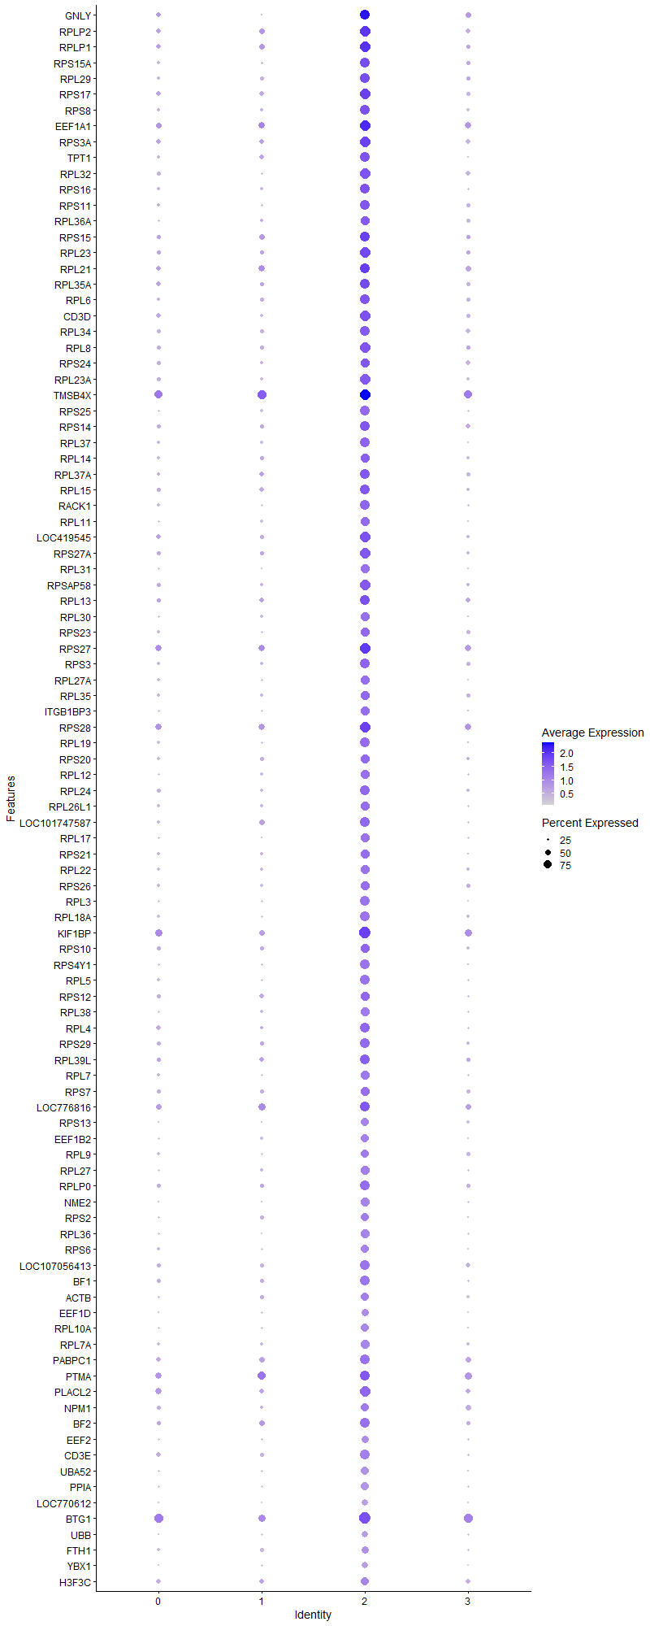
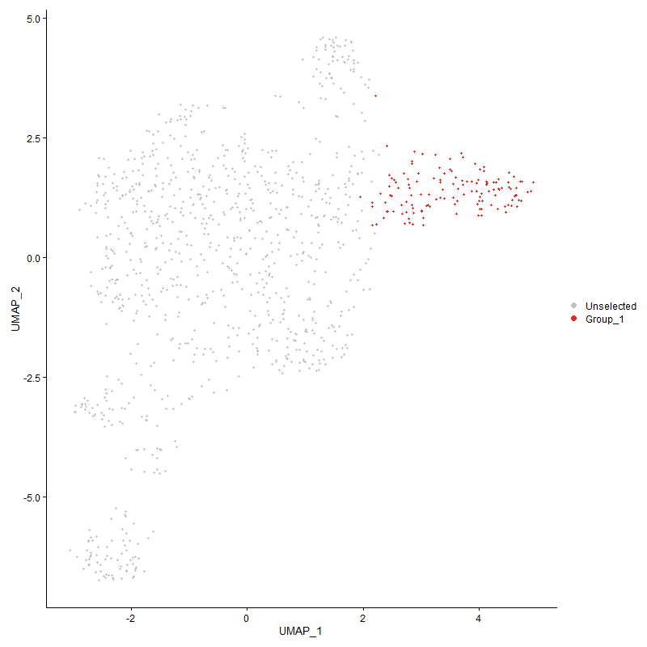
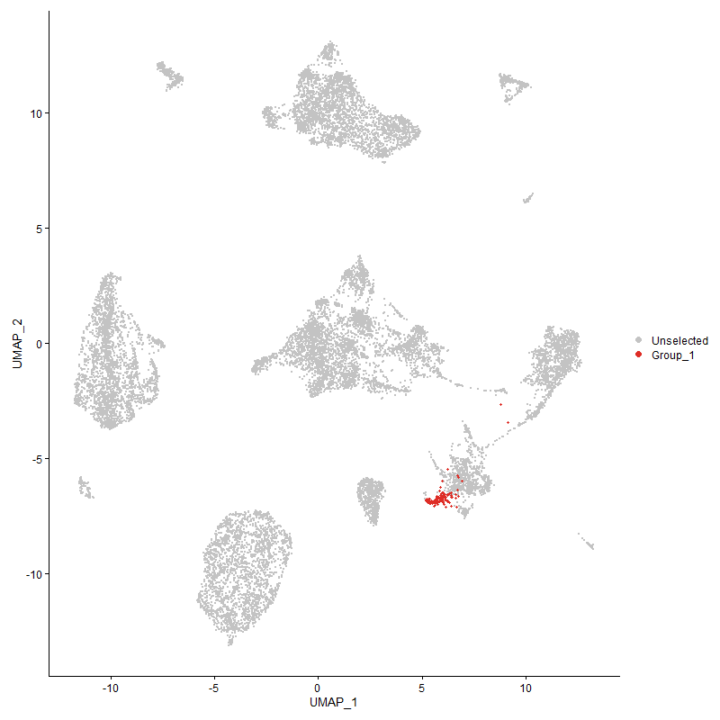
 | p_val | avg_log2FC | pct.1 | pct.2 | p_val_adj | cluster | gene
GNLY | 7.2010969749E-58 | 2.2323312121 | 0.917 | 0.402 | 1.099679519E-53 | 2 | GNLY
RPLP2 | 7.480219948E-57 | 1.8909767314 | 0.962 | 0.444 | 1.1423043883E-52 | 2 | RPLP2
RPLP1 | 2.6630507487E-60 | 1.8905717758 | 0.947 | 0.462 | 4.0667447983E-56 | 2 | RPLP1
RPS15A | 1.041696051E-54 | 1.8663046987 | 0.879 | 0.323 | 1.5907740395E-50 | 2 | RPS15A
RPL29 | 5.8666193652E-53 | 1.8649457838 | 0.856 | 0.318 | 8.9589144326E-49 | 2 | RPL29
RPS17 | 2.539761107E-57 | 1.806476679 | 0.947 | 0.421 | 3.8784691864E-53 | 2 | RPS17
RPS8 | 3.9071648858E-64 | 1.7966278158 | 0.917 | 0.327 | 5.9666314971E-60 | 2 | RPS8
EEF1A1 | 1.273672647E-55 | 1.7592490613 | 0.97 | 0.56 | 1.9450254992E-51 | 2 | EEF1A1
RPS3A | 1.1172844089E-53 | 1.7507056508 | 0.939 | 0.46 | 1.7062050208E-49 | 2 | RPS3A
TPT1 | 9.9993156471E-57 | 1.7486168374 | 0.902 | 0.324 | 1.5269954925E-52 | 2 | TPT1
RPL32 | 2.7852572043E-60 | 1.7411243122 | 0.924 | 0.336 | 4.2533662767E-56 | 2 | RPL32
RPS16 | 2.4192048043E-54 | 1.7202801829 | 0.871 | 0.313 | 3.6943676566E-50 | 2 | RPS16
RPS11 | 1.3173856379E-55 | 1.7170226023 | 0.879 | 0.305 | 2.0117796077E-51 | 2 | RPS11
RPL36A | 1.0691287493E-56 | 1.7021691186 | 0.833 | 0.259 | 1.6326665131E-52 | 2 | RPL36A
RPS15 | 1.1684765576E-48 | 1.7011373056 | 0.894 | 0.42 | 1.7843805512E-44 | 2 | RPS15
RPL23 | 3.9451798899E-56 | 1.6897040121 | 0.947 | 0.389 | 6.0246842099E-52 | 2 | RPL23
RPL21 | 7.7825192149E-42 | 1.6888254079 | 0.894 | 0.47 | 1.1884685093E-37 | 2 | RPL21
RPL35A | 1.1424073444E-51 | 1.6806873741 | 0.917 | 0.405 | 1.7445702556E-47 | 2 | RPL35A
RPL6 | 3.9076432403E-61 | 1.6599766504 | 0.894 | 0.341 | 5.9673619923E-57 | 2 | RPL6
CD3D | 1.616340562E-57 | 1.6383550217 | 0.932 | 0.399 | 2.4683136722E-53 | 2 | CD3D
RPL34 | 1.895737813E-49 | 1.6369538047 | 0.879 | 0.347 | 2.8949812143E-45 | 2 | RPL34
RPL8 | 2.5719737356E-55 | 1.619180305 | 0.924 | 0.392 | 3.9276610916E-51 | 2 | RPL8
RPS24 | 1.8773920526E-43 | 1.6093352322 | 0.818 | 0.344 | 2.8669654036E-39 | 2 | RPS24
RPL23A | 3.0584711108E-62 | 1.5806738107 | 0.947 | 0.333 | 4.6705912332E-58 | 2 | RPL23A
TMSB4X | 2.3506901332E-45 | 1.5755129705 | 0.977 | 0.741 | 3.5897389024E-41 | 2 | TMSB4X
RPS25 | 1.2416359484E-64 | 1.5710185407 | 0.886 | 0.259 | 1.8961022568E-60 | 2 | RPS25
RPS14 | 8.9917836562E-56 | 1.5692047032 | 0.909 | 0.368 | 1.3731352821E-51 | 2 | RPS14
RPL37 | 3.4080697368E-59 | 1.5531551736 | 0.879 | 0.278 | 5.2044632951E-55 | 2 | RPL37
RPL14 | 2.5830717262E-51 | 1.5477751803 | 0.833 | 0.304 | 3.9446088331E-47 | 2 | RPL14
RPL37A | 5.5438324601E-46 | 1.5456807474 | 0.864 | 0.351 | 8.4659865498E-42 | 2 | RPL37A
RPL15 | 2.0266969212E-46 | 1.5386729634 | 0.879 | 0.382 | 3.0949688684E-42 | 2 | RPL15
RACK1 | 1.90073212E-67 | 1.5306398583 | 0.917 | 0.27 | 2.9026080204E-63 | 2 | RACK1
RPL11 | 1.6509501182E-51 | 1.5271764313 | 0.795 | 0.251 | 2.5211659256E-47 | 2 | RPL11
LOC419545 | 6.1306095212E-48 | 1.52532827 | 0.924 | 0.409 | 9.3620537999E-44 | 2 | LOC419545
RPS27A | 2.1811028451E-53 | 1.5155598614 | 0.924 | 0.368 | 3.3307621548E-49 | 2 | RPS27A
RPL31 | 1.3146023102E-61 | 1.4986938508 | 0.811 | 0.192 | 2.007529188E-57 | 2 | RPL31
RPSAP58 | 2.3985199481E-58 | 1.4971546476 | 0.955 | 0.387 | 3.6627798127E-54 | 2 | RPSAP58
RPL13 | 1.9943457771E-48 | 1.4954525977 | 0.917 | 0.418 | 3.0455654363E-44 | 2 | RPL13
RPL30 | 7.1701994191E-52 | 1.4940653332 | 0.78 | 0.226 | 1.0949611533E-47 | 2 | RPL30
RPS23 | 2.7379180571E-44 | 1.4895725772 | 0.788 | 0.281 | 4.181074665E-40 | 2 | RPS23
RPS27 | 1.0008923818E-47 | 1.4770578048 | 0.97 | 0.566 | 1.5284627563E-43 | 2 | RPS27
RPS3 | 6.3680694487E-52 | 1.4742810162 | 0.864 | 0.334 | 9.7246788551E-48 | 2 | RPS3
RPL27A | 5.2363828555E-53 | 1.4576641513 | 0.818 | 0.26 | 7.9964802587E-49 | 2 | RPL27A
RPL35 | 2.5020348357E-45 | 1.4399934507 | 0.818 | 0.312 | 3.8208573976E-41 | 2 | RPL35
ITGB1BP3 | 8.5526363712E-50 | 1.4342541752 | 0.78 | 0.236 | 1.3060731002E-45 | 2 | ITGB1BP3
RPS28 | 2.6188969581E-41 | 1.4316916611 | 0.932 | 0.58 | 3.9993175447E-37 | 2 | RPS28
RPL19 | 2.0404782562E-58 | 1.4237168194 | 0.879 | 0.264 | 3.1160143451E-54 | 2 | RPL19
RPS20 | 1.1525279924E-42 | 1.408522054 | 0.795 | 0.292 | 1.7600254972E-38 | 2 | RPS20
RPL12 | 6.9501505995E-50 | 1.4033888046 | 0.811 | 0.262 | 1.061357498E-45 | 2 | RPL12
RPL24 | 1.0219969414E-49 | 1.3994100992 | 0.886 | 0.368 | 1.5606915292E-45 | 2 | RPL24
RPL26L1 | 2.5248269745E-50 | 1.3935608958 | 0.826 | 0.285 | 3.8556632728E-46 | 2 | RPL26L1
LOC101747587 | 4.8992212364E-52 | 1.3911076499 | 0.909 | 0.343 | 7.4816007501E-48 | 2 | LOC101747587
RPL17 | 2.1838953136E-48 | 1.3828911532 | 0.788 | 0.249 | 3.3350265335E-44 | 2 | RPL17
RPS21 | 1.0682929926E-47 | 1.3616779861 | 0.818 | 0.287 | 1.6313902289E-43 | 2 | RPS21
RPL22 | 1.5547781019E-47 | 1.3492295009 | 0.803 | 0.277 | 2.3743016395E-43 | 2 | RPL22
RPS26 | 1.0496378246E-47 | 1.3424844209 | 0.841 | 0.293 | 1.6029019219E-43 | 2 | RPS26
RPL3 | 1.6264911109E-55 | 1.3382906178 | 0.864 | 0.249 | 2.4838145755E-51 | 2 | RPL3
RPL18A | 4.0750317458E-58 | 1.3323988178 | 0.879 | 0.273 | 6.222980979E-54 | 2 | RPL18A
KIF1BP | 7.4632253053E-47 | 1.3271348307 | 0.992 | 0.63 | 1.1397091364E-42 | 2 | KIF1BP
RPS10 | 7.0639458303E-41 | 1.3242555722 | 0.841 | 0.369 | 1.0787351677E-36 | 2 | RPS10
RPS4Y1 | 4.5612414097E-59 | 1.32047815 | 0.864 | 0.243 | 6.9654717567E-55 | 2 | RPS4Y1
RPL5 | 1.9967895916E-56 | 1.3203502965 | 0.902 | 0.286 | 3.0492973853E-52 | 2 | RPL5
RPS12 | 2.7528286981E-37 | 1.3149480826 | 0.826 | 0.355 | 4.2038447048E-33 | 2 | RPS12
RPL38 | 3.7736247931E-60 | 1.2680230651 | 0.841 | 0.223 | 5.7627024215E-56 | 2 | RPL38
RPL4 | 4.1115806417E-42 | 1.2641767947 | 0.856 | 0.388 | 6.2787947979E-38 | 2 | RPL4
RPS29 | 3.3525734369E-39 | 1.2553414505 | 0.856 | 0.364 | 5.1197148955E-35 | 2 | RPS29
RPL39L | 1.0889523019E-36 | 1.2421150975 | 0.864 | 0.399 | 1.6629390602E-32 | 2 | RPL39L
RPL7 | 3.864688748E-42 | 1.2298433161 | 0.788 | 0.273 | 5.9017661871E-38 | 2 | RPL7
RPS7 | 4.6260974958E-40 | 1.2261646505 | 0.841 | 0.367 | 7.0645134859E-36 | 2 | RPS7
LOC776816 | 7.8489075465E-35 | 1.2238012706 | 0.902 | 0.532 | 1.1986066714E-30 | 2 | LOC776816
RPS13 | 3.1064844006E-52 | 1.2156328717 | 0.742 | 0.187 | 4.7439123282E-48 | 2 | RPS13
EEF1B2 | 2.047155573E-40 | 1.2075616164 | 0.705 | 0.214 | 3.1262112756E-36 | 2 | EEF1B2
RPL9 | 1.594109157E-40 | 1.2038134166 | 0.758 | 0.278 | 2.4343640936E-36 | 2 | RPL9
RPL27 | 1.3473930273E-48 | 1.2027253879 | 0.78 | 0.225 | 2.057603892E-44 | 2 | RPL27
RPLP0 | 3.895663111E-39 | 1.1984703262 | 0.856 | 0.38 | 5.9490671369E-35 | 2 | RPLP0
NME2 | 1.1375457641E-58 | 1.1800461306 | 0.788 | 0.175 | 1.7371461364E-54 | 2 | NME2
RPS2 | 4.1229466791E-40 | 1.1238245601 | 0.773 | 0.275 | 6.2961518737E-36 | 2 | RPS2
RPL36 | 2.4268328517E-56 | 1.1067733147 | 0.833 | 0.216 | 3.7060164479E-52 | 2 | RPL36
RPS6 | 3.5807589255E-43 | 1.1019077908 | 0.773 | 0.26 | 5.4681769551E-39 | 2 | RPS6
LOC107056413 | 2.3806050787E-47 | 1.1008304415 | 0.909 | 0.367 | 3.6354220156E-43 | 2 | LOC107056413
BF1 | 2.0341289103E-39 | 1.0576490721 | 0.886 | 0.373 | 3.1063182589E-35 | 2 | BF1
ACTB | 2.0835590827E-34 | 1.0480032921 | 0.765 | 0.279 | 3.1818030751E-30 | 2 | ACTB
EEF1D | 3.3650177693E-45 | 1.0479362518 | 0.682 | 0.168 | 5.1387186355E-41 | 2 | EEF1D
RPL10A | 7.2402838414E-41 | 1.0169988507 | 0.765 | 0.251 | 1.1056637454E-36 | 2 | RPL10A
RPL7A | 3.9762893611E-40 | 1.0141473062 | 0.795 | 0.276 | 6.0721914834E-36 | 2 | RPL7A
PABPC1 | 2.0401132385E-34 | 0.98918082235 | 0.886 | 0.46 | 3.1154569266E-30 | 2 | PABPC1
PTMA1 | 6.1419545421E-25 | 0.98237887279 | 0.917 | 0.642 | 9.3793787812E-21 | 2 | PTMA
PLACL2 | 1.1435054924E-32 | 0.982109109 | 0.955 | 0.548 | 1.7462472375E-28 | 2 | PLACL2
NPM1 | 7.7303668995E-27 | 0.98092097772 | 0.765 | 0.365 | 1.1805043292E-22 | 2 | NPM1
BF2 | 3.0213552122E-34 | 0.97669941562 | 0.909 | 0.411 | 4.6139115446E-30 | 2 | BF2
EEF2 | 1.0753285165E-34 | 0.9519129612 | 0.697 | 0.226 | 1.6421341776E-30 | 2 | EEF2
CD3E | 2.6889153662E-32 | 0.896932824 | 0.879 | 0.416 | 4.1062426557E-28 | 2 | CD3E
UBA52 | 3.5480665658E-35 | 0.86912155273 | 0.727 | 0.252 | 5.4182524526E-31 | 2 | UBA52
PPIA | 2.9612480519E-41 | 0.85660221888 | 0.75 | 0.224 | 4.5221219E-37 | 2 | PPIA
LOC770612 | 2.7437960421E-37 | 0.82927196332 | 0.576 | 0.131 | 4.1900509359E-33 | 2 | LOC770612
BTG1 | 1.155298615E-28 | 0.81168920226 | 0.992 | 0.784 | 1.7642565149E-24 | 2 | BTG1
UBB | 5.0023115646E-29 | 0.76457005556 | 0.598 | 0.188 | 7.6390299902E-25 | 2 | UBB
FTH1 | 6.8558477734E-20 | 0.75947518844 | 0.644 | 0.315 | 1.0469565135E-15 | 2 | FTH1
YBX1 | 7.6843064368E-33 | 0.75075546718 | 0.598 | 0.162 | 1.173470436E-28 | 2 | YBX1
H3F3C | 6.2239944476E-17 | 0.73160503986 | 0.72 | 0.42 | 9.5046619209E-13 | 2 | H3F3C
PTMS | 1.4545945846E-35 | 0.67031776167 | 0.523 | 0.105 | 2.2213113901E-31 | 2 | PTMS
EEF1G | 1.3656214499E-23 | 0.64489850355 | 0.705 | 0.301 | 2.0854405162E-19 | 2 | EEF1G
TAPBP | 1.2713080717E-26 | 0.62943967397 | 0.53 | 0.151 | 1.9414145563E-22 | 2 | TAPBP
CXCR4 | 1.2828737516E-14 | 0.62368121687 | 0.818 | 0.49 | 1.9590765061E-10 | 2 | CXCR4
IL2RG | 1.6723924618E-20 | 0.61961235463 | 0.606 | 0.249 | 2.5539105284E-16 | 2 | IL2RG
NACA | 2.4471981001E-30 | 0.60804461597 | 0.591 | 0.167 | 3.7371162186E-26 | 2 | NACA
ZNF593 | 2.6068248927E-31 | 0.60280357751 | 0.515 | 0.118 | 3.9808822937E-27 | 2 | ZNF593
HSP90AA1 | 8.3138246041E-19 | 0.6003361662 | 0.53 | 0.196 | 1.2696041553E-14 | 2 | HSP90AA1
B2M | 1.8737604499E-26 | 0.59287704527 | 0.5 | 0.13 | 2.8614195831E-22 | 2 | B2M
SEPTIN6 | 4.0602654468E-23 | 0.58860760199 | 0.553 | 0.177 | 6.2004313638E-19 | 2 | SEPTIN6
SERBP1 | 4.6558221654E-15 | 0.58347312539 | 0.629 | 0.329 | 7.1099060288E-11 | 2 | SERBP1
PNRC1 | 1.0723383678E-13 | 0.5763037946 | 0.78 | 0.488 | 1.6375679214E-09 | 2 | PNRC1
COX4I1 | 3.8705509731E-23 | 0.57012273498 | 0.477 | 0.134 | 5.910718391E-19 | 2 | COX4I1
EIF1 | 2.6449187643E-20 | 0.56329158177 | 0.727 | 0.353 | 4.0390554449E-16 | 2 | EIF1
H3F3B | 1.0207355942E-12 | 0.55716540653 | 0.902 | 0.732 | 1.5587653259E-08 | 2 | H3F3B
TSC22D4 | 6.1424155218E-09 | 0.55395983957 | 0.606 | 0.398 | 9.3800827433E-05 | 2 | TSC22D4
RAC2 | 1.3907166309E-27 | 0.55005490309 | 0.515 | 0.132 | 2.1237633671E-23 | 2 | RAC2
EIF5A2 | 1.8578401715E-23 | 0.54082549279 | 0.492 | 0.142 | 2.8371077259E-19 | 2 | EIF5A2
LOC124417243 | 6.2027653553E-31 | 0.53957220133 | 0.447 | 0.088 | 9.472242974E-27 | 2 | LOC124417243
TMBIM6 | 7.3456838595E-22 | 0.53634198438 | 0.424 | 0.112 | 1.1217593822E-17 | 2 | TMBIM6
NSA2 | 1.0876091881E-20 | 0.53497611305 | 0.439 | 0.126 | 1.6608879912E-16 | 2 | NSA2
IER5 | 6.5105781868E-20 | 0.52668152713 | 0.606 | 0.244 | 9.9423039491E-16 | 2 | IER5
TOMM7 | 3.9308037982E-17 | 0.50650709434 | 0.5 | 0.188 | 6.0027304803E-13 | 2 | TOMM7
JUND | 8.1490993762E-12 | 0.49404111318 | 0.614 | 0.321 | 1.2444489657E-07 | 2 | JUND
NCL | 5.7203981519E-12 | 0.49064175943 | 0.629 | 0.348 | 8.7356200178E-08 | 2 | NCL
HMGN4 | 5.7117796085E-21 | 0.48566048091 | 0.417 | 0.112 | 8.7224586402E-17 | 2 | HMGN4
RBM3 | 1.3386479663E-16 | 0.48548301892 | 0.568 | 0.241 | 2.0442493093E-12 | 2 | RBM3
CALM1 | 7.0311928171E-13 | 0.4791678367 | 0.652 | 0.347 | 1.0737334551E-08 | 2 | CALM1
LSP1P1 | 2.6994136659E-17 | 0.47833796273 | 0.53 | 0.2 | 4.1222746092E-13 | 2 | LSP1P1
COX6C | 5.9731855626E-26 | 0.47498849512 | 0.402 | 0.084 | 9.1216516727E-22 | 2 | COX6C
LAPTM5 | 3.9544311372E-16 | 0.47285310202 | 0.598 | 0.26 | 6.0388117897E-12 | 2 | LAPTM5
LOC100859737 | 7.1495351179E-15 | 0.46885495093 | 0.402 | 0.143 | 1.0918055079E-10 | 2 | LOC100859737
SEPTIN9 | 1.5699176314E-12 | 0.46781243572 | 0.629 | 0.327 | 2.3974212148E-08 | 2 | SEPTIN9
OAZ1 | 7.3889945318E-15 | 0.46768151817 | 0.667 | 0.322 | 1.1283733549E-10 | 2 | OAZ1
EIF3K | 7.3080800729E-23 | 0.46487341024 | 0.348 | 0.071 | 1.1160169079E-18 | 2 | EIF3K
POLD4 | 8.7826692687E-14 | 0.46076786493 | 0.439 | 0.174 | 1.341201424E-09 | 2 | POLD4
CHD4 | 2.0458502947E-09 | 0.45727441804 | 0.447 | 0.227 | 3.1242179851E-05 | 2 | CHD4
SERF2 | 2.4071746508E-12 | 0.45724829386 | 0.477 | 0.213 | 3.6759964092E-08 | 2 | SERF2
CHCHD2 | 1.9495841538E-13 | 0.45555265902 | 0.447 | 0.187 | 2.9772099613E-09 | 2 | CHCHD2
TAP2 | 3.2077298286E-13 | 0.45555265902 | 0.447 | 0.182 | 4.8985242213E-09 | 2 | TAP2
LOC429682 | 1.9914772664E-17 | 0.45412270725 | 0.462 | 0.157 | 3.0411849336E-13 | 2 | LOC429682
SH3BGRL3 | 1.5893895488E-20 | 0.44939366285 | 0.424 | 0.116 | 2.42715678E-16 | 2 | SH3BGRL3
PPIB | 6.2385034467E-19 | 0.44932533563 | 0.417 | 0.123 | 9.5268186135E-15 | 2 | PPIB
ANP32B | 1.9679133928E-14 | 0.44745897697 | 0.455 | 0.179 | 3.0052005422E-10 | 2 | ANP32B
EIF3E | 1.1157171852E-11 | 0.44429169789 | 0.523 | 0.257 | 1.7038117135E-07 | 2 | EIF3E
GAPDH | 2.7036532822E-16 | 0.43989658393 | 0.409 | 0.132 | 4.1287489272E-12 | 2 | GAPDH
HNRNPA1 | 2.2054418841E-19 | 0.43578828963 | 0.455 | 0.138 | 3.3679303012E-15 | 2 | HNRNPA1
ARPC1B | 7.8586398098E-17 | 0.43153246718 | 0.348 | 0.095 | 1.2000928854E-12 | 2 | ARPC1B
ATP5D | 5.4759170323E-24 | 0.42849490589 | 0.417 | 0.097 | 8.3622729E-20 | 2 | ATP5D
ARPC4 | 9.5645300214E-19 | 0.42618608539 | 0.386 | 0.104 | 1.4605993796E-14 | 2 | ARPC4
CD8A | 2.3105976517E-11 | 0.42578622904 | 0.644 | 0.345 | 3.5285136739E-07 | 2 | CD8A
TRBV6-5 | 0.00014114493065 | 0.42450798327 | 0.977 | 0.863 | 1 | 2 | TRBV6-5
ARF6 | 9.7825651506E-20 | 0.41904905385 | 0.462 | 0.138 | 1.4938955241E-15 | 2 | ARF6
EIF3F | 1.7152430771E-16 | 0.41394847037 | 0.348 | 0.098 | 2.619347703E-12 | 2 | EIF3F
EIF3M | 5.714275192E-14 | 0.41335983834 | 0.394 | 0.14 | 8.7262696457E-10 | 2 | EIF3M
HMGB1 | 1.9906724451E-10 | 0.40745007741 | 0.629 | 0.37 | 3.0399558909E-06 | 2 | HMGB1
ENO1 | 4.4406804566E-12 | 0.40732849577 | 0.455 | 0.199 | 6.7813631252E-08 | 2 | ENO1
COX7B | 1.9369820185E-20 | 0.4056554022 | 0.356 | 0.082 | 2.9579652405E-16 | 2 | COX7B
NDUFB11 | 5.0402183432E-23 | 0.4053575133 | 0.364 | 0.075 | 7.6969174319E-19 | 2 | NDUFB11
CYBA | 7.4836584307E-12 | 0.4041771106 | 0.409 | 0.162 | 1.1428294789E-07 | 2 | CYBA
SPCS3 | 1.1149269821E-13 | 0.40302790286 | 0.568 | 0.259 | 1.7026049943E-09 | 2 | SPCS3
SVBP | 7.4994557971E-21 | 0.40212720357 | 0.341 | 0.074 | 1.1452418948E-16 | 2 | SVBP
MAP1LC3B | 2.2934321098E-11 | 0.39747912789 | 0.53 | 0.248 | 3.5023001749E-07 | 2 | MAP1LC3B
MYL6 | 1.670547797E-13 | 0.39505322449 | 0.409 | 0.155 | 2.5510935409E-09 | 2 | MYL6
LOC124417242 | 1.5930821236E-22 | 0.3941137494 | 0.333 | 0.064 | 2.432795711E-18 | 2 | LOC124417242
PGLS | 5.5186600627E-13 | 0.38323017216 | 0.409 | 0.155 | 8.4275457818E-09 | 2 | PGLS
FKBP1A | 1.61513214E-22 | 0.38301942129 | 0.326 | 0.06 | 2.4664682911E-18 | 2 | FKBP1A
EIF4A2 | 2.4251718408E-11 | 0.3824969712 | 0.826 | 0.502 | 3.7034799181E-07 | 2 | EIF4A2
ITM2A1 | 1.3447887293E-06 | 0.3818977361 | 0.432 | 0.253 | 0.020536268686 | 2 | ITM2A
HNRNPAB | 9.7635470406E-10 | 0.38155207757 | 0.409 | 0.188 | 1.4909912686E-05 | 2 | HNRNPAB
COX5A | 2.1565729459E-22 | 0.38129265707 | 0.303 | 0.053 | 3.2933025456E-18 | 2 | COX5A
PRDX1 | 1.1221899055E-08 | 0.37752268568 | 0.47 | 0.254 | 0.00017136962046 | 2 | PRDX1
PSMB5 | 1.1197695657E-13 | 0.3766167547 | 0.402 | 0.144 | 1.7100001037E-09 | 2 | PSMB5
NFKBIA | 8.6055794518E-06 | 0.37615812348 | 0.614 | 0.456 | 0.13141580381 | 2 | NFKBIA
LCP1 | 1.004993283E-10 | 0.37530919122 | 0.455 | 0.205 | 1.5347252425E-06 | 2 | LCP1
TLN1 | 9.0277729112E-11 | 0.37469629557 | 0.409 | 0.175 | 1.3786312013E-06 | 2 | TLN1
LOC107051795 | 1.7816161364E-29 | 0.3723187978 | 0.311 | 0.038 | 2.7207060019E-25 | 2 | LOC107051795
GNAI2 | 1.76847221E-17 | 0.37213246327 | 0.417 | 0.124 | 2.7006339119E-13 | 2 | GNAI2
HSP90B1 | 6.1199835127E-07 | 0.37200148421 | 0.356 | 0.181 | 0.0093458268222 | 2 | HSP90B1
MIF | 1.7787532106E-25 | 0.37079776967 | 0.288 | 0.04 | 2.7163340279E-21 | 2 | MIF
COX14 | 6.3820775252E-10 | 0.3698191076 | 0.288 | 0.104 | 9.7460705888E-06 | 2 | COX14
NEDD8 | 2.3096920185E-13 | 0.36788220782 | 0.303 | 0.089 | 3.5271306815E-09 | 2 | NEDD8
GPX1 | 3.5573297243E-15 | 0.36713866778 | 0.424 | 0.144 | 5.432398222E-11 | 2 | GPX1
MYH91 | 1.939530718E-05 | 0.36485602621 | 0.902 | 0.805 | 0.29618573595 | 2 | MYH9
SYTL1 | 2.3553140951E-12 | 0.36452263599 | 0.583 | 0.287 | 3.5968001547E-08 | 2 | SYTL1
URM1 | 2.032466269E-20 | 0.36333356574 | 0.311 | 0.062 | 3.1037792393E-16 | 2 | URM1
CALM2 | 1.0669874316E-08 | 0.36167063388 | 0.447 | 0.222 | 0.00016293965069 | 2 | CALM2
ATP5E | 2.6377082772E-21 | 0.36036199921 | 0.288 | 0.049 | 4.0280443101E-17 | 2 | ATP5E
STMN1 | 2.4046970441E-10 | 0.35956470986 | 0.379 | 0.154 | 3.672212856E-06 | 2 | STMN1
SEC62 | 2.6689143391E-10 | 0.358123484 | 0.47 | 0.222 | 4.0756990872E-06 | 2 | SEC62
TOMM20 | 8.1409304453E-13 | 0.35740387345 | 0.409 | 0.152 | 1.2432014883E-08 | 2 | TOMM20
BRK1 | 7.3442973864E-11 | 0.35497806095 | 0.432 | 0.188 | 1.1215476539E-06 | 2 | BRK1
SLC25A6 | 2.857558969E-12 | 0.35290097957 | 0.409 | 0.157 | 4.3637783015E-08 | 2 | SLC25A6
SET | 5.7900462609E-09 | 0.35210471216 | 0.364 | 0.16 | 8.841979645E-05 | 2 | SET
LOC107049545 | 3.4209482242E-20 | 0.35206735783 | 0.273 | 0.047 | 5.2241300331E-16 | 2 | LOC107049545
CALR | 3.4895007975E-11 | 0.35099977784 | 0.364 | 0.14 | 5.3288166678E-07 | 2 | CALR
ZFP36L1 | 5.1012643286E-05 | 0.3495298156 | 0.848 | 0.735 | 0.77901407562 | 2 | ZFP36L1
ROMO1 | 1.8452480844E-13 | 0.34914334158 | 0.28 | 0.077 | 2.8178783497E-09 | 2 | ROMO1
RBBP6 | 1.1660203438E-09 | 0.34765591485 | 0.583 | 0.315 | 1.780629667E-05 | 2 | RBBP6
LOC107050649 | 3.6616311253E-20 | 0.34304108204 | 0.288 | 0.053 | 5.5916768915E-16 | 2 | LOC107050649
ATPIF1 | 2.2955115448E-12 | 0.34292014493 | 0.303 | 0.095 | 3.5054756801E-08 | 2 | ATPIF1
COX8A | 1.8314616076E-10 | 0.34271030754 | 0.417 | 0.181 | 2.796825021E-06 | 2 | COX8A
ATP5L | 1.428722876E-17 | 0.34004482958 | 0.28 | 0.059 | 2.181802704E-13 | 2 | ATP5L
PLCG1 | 2.9345490514E-09 | 0.33976917167 | 0.523 | 0.274 | 4.4813498564E-05 | 2 | PLCG1
MRPL43 | 8.1365576128E-19 | 0.33922110962 | 0.295 | 0.06 | 1.242533713E-14 | 2 | MRPL43
UQCC3 | 1.3010814275E-09 | 0.33907238584 | 0.379 | 0.166 | 1.9868814479E-05 | 2 | UQCC3
MESDC1 | 2.5672795432E-12 | 0.33734701783 | 0.303 | 0.096 | 3.9204925904E-08 | 2 | MESDC1
EIF3D | 1.4158725449E-10 | 0.33725949071 | 0.364 | 0.143 | 2.1621789633E-06 | 2 | EIF3D
C14orf2 | 1.0282307611E-22 | 0.33507642386 | 0.242 | 0.031 | 1.5702111953E-18 | 2 | C14orf2
RNASEK | 4.0703548291E-10 | 0.33215598756 | 0.326 | 0.124 | 6.2158388595E-06 | 2 | RNASEK
HEXIM1 | 2.524459635E-10 | 0.33090201526 | 0.462 | 0.207 | 3.8551023087E-06 | 2 | HEXIM1
PTRH2 | 1.1331920329E-22 | 0.33042665557 | 0.28 | 0.043 | 1.7304975534E-18 | 2 | PTRH2
PIK3IP1 | 1.902426272E-09 | 0.32718339489 | 0.424 | 0.193 | 2.90519516E-05 | 2 | PIK3IP1
TG | 1.1353246609E-08 | 0.32129089727 | 0.348 | 0.149 | 0.00017337542896 | 2 | TG
ART1 | 9.7804135379E-07 | 0.3132194547 | 0.394 | 0.212 | 0.014935669514 | 2 | ART1
LOC112532686 | 4.0089301969E-08 | 0.31298367829 | 0.235 | 0.082 | 0.00061220373037 | 2 | LOC112532686
CST3 | 3.5525853532E-20 | 0.3125454824 | 0.326 | 0.067 | 5.4251530929E-16 | 2 | CST3
THRAP3 | 4.6316768296E-06 | 0.31224276834 | 0.538 | 0.353 | 0.070730336865 | 2 | THRAP3
EIF4B | 1.1660294509E-09 | 0.3106652807 | 0.394 | 0.168 | 1.7806435745E-05 | 2 | EIF4B
NDUFA4 | 1.8331193371E-17 | 0.30914246092 | 0.341 | 0.085 | 2.7993565396E-13 | 2 | NDUFA4
MSN | 1.246322682E-05 | 0.30845408287 | 0.621 | 0.447 | 0.19032593677 | 2 | MSN
HSPA8 | 3.4353504379E-10 | 0.30828145417 | 0.318 | 0.118 | 5.2461236537E-06 | 2 | HSPA8
EDF1 | 9.9419104952E-08 | 0.30789457931 | 0.258 | 0.1 | 0.0015182291517 | 2 | EDF1
NDUFA13 | 4.1655555877E-07 | 0.30728131892 | 0.311 | 0.144 | 0.006361219938 | 2 | NDUFA13
JTB | 2.2836703918E-08 | 0.30692221624 | 0.439 | 0.221 | 0.00034873930553 | 2 | JTB
CRIP1 | 1.2529436714E-14 | 0.30396000513 | 0.288 | 0.071 | 1.9133702806E-10 | 2 | CRIP1
DDX5 | 9.2157338861E-07 | 0.30351633217 | 0.955 | 0.885 | 0.014073347217 | 2 | DDX5
H1FX | 2.4422609411E-11 | 0.2996123523 | 0.273 | 0.082 | 3.7295766832E-07 | 2 | H1FX
ADD3 | 3.5840848522E-07 | 0.29949930703 | 0.826 | 0.573 | 0.0054732559777 | 2 | ADD3
MRPS21 | 1.6778589139E-15 | 0.29720823827 | 0.258 | 0.056 | 2.5622583473E-11 | 2 | MRPS21
HNRNPA3 | 1.1746314582E-05 | 0.29677833594 | 0.841 | 0.691 | 0.17937796998 | 2 | HNRNPA3
COX6A1 | 6.9247257805E-10 | 0.29675065143 | 0.409 | 0.177 | 1.0574748739E-05 | 2 | COX6A1
HDGF | 2.2260198773E-09 | 0.29540390482 | 0.311 | 0.119 | 3.3993549547E-05 | 2 | HDGF
HM13 | 4.7455803173E-09 | 0.29532308301 | 0.356 | 0.151 | 7.2469757026E-05 | 2 | HM13
SUMO2 | 1.8432594949E-09 | 0.29518019175 | 0.455 | 0.213 | 2.8148415747E-05 | 2 | SUMO2
EIF3G | 4.9540379477E-10 | 0.29418813736 | 0.288 | 0.1 | 7.5653113499E-06 | 2 | EIF3G
RCC1 | 4.2304180096E-06 | 0.29069039297 | 0.22 | 0.09 | 0.064602713424 | 2 | RCC1
UNC119B | 1.4565939808E-10 | 0.29043393389 | 0.295 | 0.101 | 2.2243646681E-06 | 2 | UNC119B
SREBF2 | 2.3922410885E-06 | 0.28943478951 | 0.402 | 0.219 | 0.036531913663 | 2 | SREBF2
ATP5G2 | 1.2796719841E-12 | 0.28626618841 | 0.258 | 0.068 | 1.954187087E-08 | 2 | ATP5G2
PIN4 | 4.7901738984E-15 | 0.28437209026 | 0.174 | 0.025 | 7.3150745602E-11 | 2 | PIN4
PA2G4 | 2.0846334781E-12 | 0.28379848037 | 0.273 | 0.076 | 3.1834437844E-08 | 2 | PA2G4
LBR | 3.9291101636E-07 | 0.28350735031 | 0.621 | 0.395 | 0.0060001441308 | 2 | LBR
ADSL | 2.3488845048E-09 | 0.2828282752 | 0.379 | 0.16 | 3.5869815273E-05 | 2 | ADSL
CSK | 5.0594666666E-10 | 0.2818960005 | 0.318 | 0.116 | 7.7263115466E-06 | 2 | CSK
FYB1 | 9.1342328614E-05 | 0.28168500306 | 0.742 | 0.565 | 1 | 2 | FYB1
CALCOCO2 | 8.8662839602E-13 | 0.28033441971 | 0.242 | 0.06 | 1.3539702236E-08 | 2 | CALCOCO2
ARPC2 | 3.0524178968E-07 | 0.28009330748 | 0.311 | 0.14 | 0.0046613473703 | 2 | ARPC2
MCL1 | 0.00072304015184 | 0.27962939353 | 0.364 | 0.243 | 1 | 2 | MCL1
NDUFB5 | 4.5890003457E-21 | 0.27876863118 | 0.258 | 0.038 | 7.0078624279E-17 | 2 | NDUFB5
COTL1 | 2.5326724839E-08 | 0.27652238612 | 0.341 | 0.146 | 0.00038676441502 | 2 | COTL1
ZNF706 | 1.2118608689E-08 | 0.2755853605 | 0.341 | 0.144 | 0.00018506327328 | 2 | ZNF706
CD5 | 2.0161078619E-09 | 0.27546757025 | 0.341 | 0.135 | 3.0787983159E-05 | 2 | CD5
HNRNPU | 1.0405872852E-07 | 0.27460107141 | 0.508 | 0.273 | 0.0015890808432 | 2 | HNRNPU
CD63 | 2.7936932269E-08 | 0.2734295772 | 0.341 | 0.147 | 0.00042662489268 | 2 | CD63
SUN2 | 5.3290623556E-09 | 0.27337724211 | 0.295 | 0.113 | 8.1380111233E-05 | 2 | SUN2
H2AZ2 | 4.672403668E-09 | 0.27279458817 | 0.28 | 0.101 | 7.1352276414E-05 | 2 | H2AZ2
FAM32A | 4.410522578E-12 | 0.27225903349 | 0.212 | 0.049 | 6.7353090288E-08 | 2 | FAM32A
ARHGDIB | 3.8454492199E-14 | 0.26883597253 | 0.242 | 0.054 | 5.8723855037E-10 | 2 | ARHGDIB
SRSF5 | 1.0269242926E-06 | 0.26724545899 | 0.386 | 0.198 | 0.015682160872 | 2 | SRSF5
TBCC | 7.9969985049E-07 | 0.26670860984 | 0.25 | 0.103 | 0.012212216417 | 2 | TBCC
HDAC1 | 2.0713015515E-05 | 0.26569236288 | 0.333 | 0.178 | 0.31630845994 | 2 | HDAC1
TPM3 | 5.2463593335E-05 | 0.26470075676 | 0.424 | 0.259 | 0.80117153382 | 2 | TPM3
ATIC | 3.7319292726E-12 | 0.26322613885 | 0.258 | 0.069 | 5.6990291922E-08 | 2 | ATIC
HCLS1 | 1.459806112E-09 | 0.26280668978 | 0.333 | 0.13 | 2.2292699136E-05 | 2 | HCLS1
PTTG1IP | 1.4238430048E-11 | 0.26066662527 | 0.258 | 0.073 | 2.1743506527E-07 | 2 | PTTG1IP
CUNH17orf49 | 1.327611886E-12 | 0.26064028743 | 0.227 | 0.054 | 2.0273961112E-08 | 2 | CUNH17orf49
RILPL2 | 2.698799801E-15 | 0.26023757098 | 0.205 | 0.035 | 4.1213371762E-11 | 2 | RILPL2
SEPTIN2 | 6.6647773497E-08 | 0.25936930237 | 0.318 | 0.135 | 0.0010177781491 | 2 | SEPTIN2
CHST2 | 4.5252464776E-19 | 0.25871010124 | 0.242 | 0.038 | 6.9105038959E-15 | 2 | CHST2
CD7 | 6.5808855085E-07 | 0.25659673363 | 0.492 | 0.277 | 0.01004967026 | 2 | CD7
MYL12A | 1.4316092901E-12 | 0.25648620134 | 0.22 | 0.051 | 2.1862105469E-08 | 2 | MYL12A
LDHB | 1.7164918342E-16 | 0.25600585723 | 0.205 | 0.032 | 2.62125468E-12 | 2 | LDHB
ATP5J | 1.2818934291E-12 | 0.25531842606 | 0.212 | 0.047 | 1.9575794556E-08 | 2 | ATP5J
LOC107049666 | 2.8174001083E-06 | 0.25506163579 | 0.515 | 0.309 | 0.043024517054 | 2 | LOC107049666
PTBP1 | 0.00024663798606 | 0.25504320763 | 0.53 | 0.375 | 1 | 2 | PTBP1
TPI1 | 5.3829305653E-10 | 0.25464777605 | 0.205 | 0.055 | 8.2202732662E-06 | 2 | TPI1
LOC107050492 | 4.5964459856E-09 | 0.25449132887 | 0.25 | 0.085 | 7.0192326645E-05 | 2 | LOC107050492
TRA2B | 0.0003112754604 | 0.25431318926 | 0.636 | 0.478 | 1 | 2 | TRA2B
RHOA | 7.4441320717E-05 | 0.25081513769 | 0.326 | 0.181 | 1 | 2 | RHOA
CD8BP | 2.5997197391E-09 | 0.25037554023 | 0.318 | 0.12 | 3.9700320135E-05 | 2 | CD8BP
EIF3L | 4.2670886939E-10 | 0.25014367603 | 0.25 | 0.076 | 6.5162711444E-06 | 2 | EIF3L
RNF130 | 0.00027009426374 | 0.25001473798 | 0.356 | 0.218 | 1 | 2 | RNF130

Cluster3
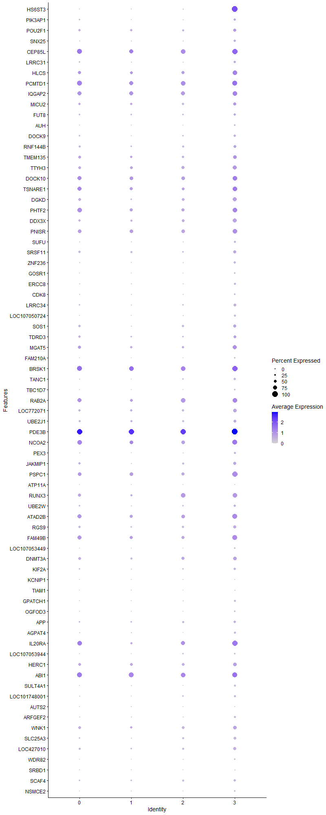
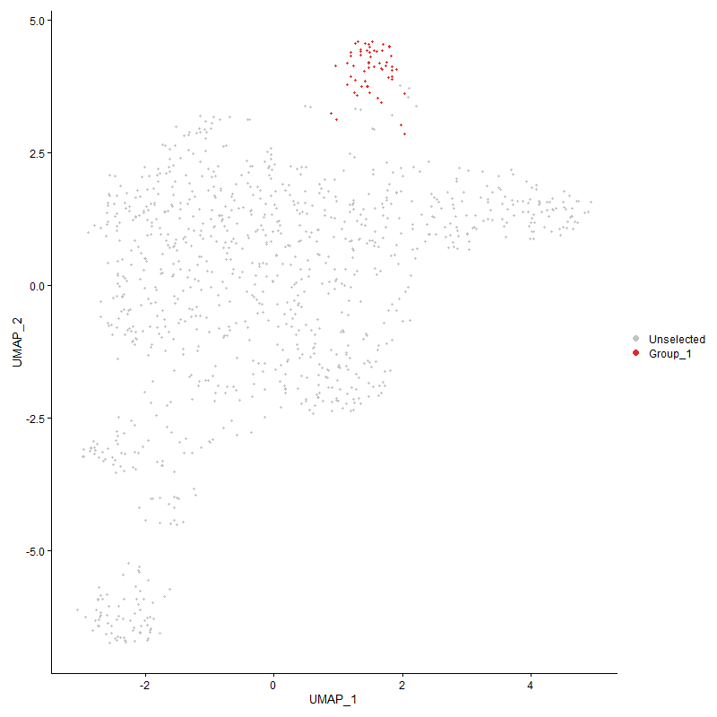
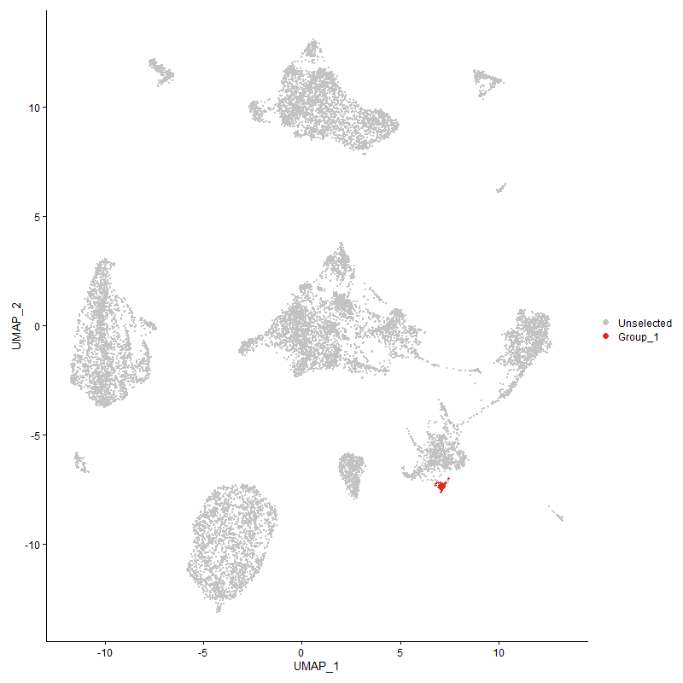
 | p_val | avg_log2FC | pct.1 | pct.2 | p_val_adj | cluster | gene
HS6ST3 | 1.4482771025E-82 | 2.5973462252 | 1 | 0.119 | 2.2116639632E-78 | 3 | HS6ST3
PIK3AP1 | 1.6503506645E-05 | 0.49623529693 | 0.448 | 0.238 | 0.25202504997 | 3 | PIK3AP1
POU2F1 | 0.0044073424628 | 0.48285361455 | 0.569 | 0.395 | 1 | 3 | POU2F1
SNX25 | 1.5039274911E-06 | 0.46694000525 | 0.448 | 0.191 | 0.022966476716 | 3 | SNX25
CEP85L | 1.2745270124E-05 | 0.46207739204 | 0.983 | 0.857 | 0.19463302007 | 3 | CEP85L
LRRC31 | 0.00079671698219 | 0.45183839871 | 0.414 | 0.24 | 1 | 3 | LRRC31
HLCS | 0.00049040978242 | 0.44482498513 | 0.81 | 0.561 | 1 | 3 | HLCS
PCMTD1 | 0.00072382826395 | 0.42786430218 | 0.879 | 0.822 | 1 | 3 | PCMTD1
IQGAP2 | 0.0038876363942 | 0.4271307886 | 0.776 | 0.706 | 1 | 3 | IQGAP2
MICU2 | 0.0030829853377 | 0.40896846071 | 0.569 | 0.41 | 1 | 3 | MICU2
FUT8 | 0.0020696606109 | 0.40863836231 | 0.448 | 0.273 | 1 | 3 | FUT8
AUH | 0.00036511629894 | 0.40842312143 | 0.259 | 0.111 | 1 | 3 | AUH
DOCK9 | 0.0044648097625 | 0.40776269796 | 0.379 | 0.228 | 1 | 3 | DOCK9
RNF144B | 0.0019030293542 | 0.40381202669 | 0.483 | 0.316 | 1 | 3 | RNF144B
TMEM135 | 0.0023962167047 | 0.40294369299 | 0.638 | 0.485 | 1 | 3 | TMEM135
TTYH3 | 0.00045791650096 | 0.40192900225 | 0.707 | 0.528 | 1 | 3 | TTYH3
DOCK10 | 0.0063977933043 | 0.40146092404 | 0.828 | 0.733 | 1 | 3 | DOCK10
TSNARE11 | 0.004628202436 | 0.39113477745 | 0.776 | 0.653 | 1 | 3 | TSNARE1
DGKD | 7.0398063087E-05 | 0.390272367 | 0.707 | 0.448 | 1 | 3 | DGKD
PHTF21 | 0.0017254145743 | 0.39009026602 | 0.828 | 0.722 | 1 | 3 | PHTF2
DDX3X | 6.0093886288E-06 | 0.38943052457 | 0.759 | 0.412 | 0.091769373751 | 3 | DDX3X
PNISR | 0.0038413940824 | 0.3609174697 | 0.828 | 0.667 | 1 | 3 | PNISR
SUFU | 9.526217383E-05 | 0.35936833614 | 0.345 | 0.16 | 1 | 3 | SUFU
SRSF11 | 0.0014065721614 | 0.35827091765 | 0.552 | 0.399 | 1 | 3 | SRSF11
ZNF236 | 1.1018370326E-05 | 0.35543003382 | 0.397 | 0.168 | 0.16826153324 | 3 | ZNF236
GOSR1 | 1.2499576278E-05 | 0.35462267358 | 0.259 | 0.089 | 0.19088102934 | 3 | GOSR1
ERCC8 | 0.00012070328141 | 0.35238493234 | 0.362 | 0.17 | 1 | 3 | ERCC8
CDK8 | 0.0049300945658 | 0.34915416694 | 0.276 | 0.15 | 1 | 3 | CDK8
LRRC34 | 3.7717586834E-06 | 0.3471883094 | 0.483 | 0.218 | 0.057598526854 | 3 | LRRC34
LOC107050724 | 2.1146831208E-06 | 0.34713343478 | 0.31 | 0.111 | 0.032293325938 | 3 | LOC107050724
SOS1 | 0.0016074296327 | 0.3466665133 | 0.569 | 0.397 | 1 | 3 | SOS1
TDRD3 | 0.0031179438925 | 0.34529774242 | 0.517 | 0.363 | 1 | 3 | TDRD3
MGAT5 | 0.0055544000808 | 0.33841621768 | 0.707 | 0.524 | 1 | 3 | MGAT5
FAM210A | 2.9307552793E-08 | 0.33590499852 | 0.224 | 0.05 | 0.0004475556387 | 3 | FAM210A
BRSK1 | 0.0026034321497 | 0.33583039691 | 0.931 | 0.841 | 1 | 3 | BRSK1
TANC1 | 0.00010320344576 | 0.32848488522 | 0.397 | 0.184 | 1 | 3 | TANC1
TBC1D7 | 3.7311566982E-06 | 0.32697682127 | 0.276 | 0.092 | 0.056978493939 | 3 | TBC1D7
RAB2A | 0.0097580175482 | 0.32692239946 | 0.793 | 0.715 | 1 | 3 | RAB2A
LOC772071 | 0.0014061173457 | 0.32602796216 | 0.621 | 0.429 | 1 | 3 | LOC772071
UBE2J1 | 0.001967414556 | 0.32524082893 | 0.517 | 0.334 | 1 | 3 | UBE2J1
PDE3B1 | 3.7281274326E-05 | 0.3242382829 | 1 | 0.993 | 0.56932234023 | 3 | PDE3B
NCOA2 | 0.008131595311 | 0.32303722397 | 0.862 | 0.76 | 1 | 3 | NCOA2
PEX3 | 0.0075412128093 | 0.31969836543 | 0.31 | 0.19 | 1 | 3 | PEX3
JAKMIP1 | 0.0011624170321 | 0.3164623158 | 0.552 | 0.349 | 1 | 3 | JAKMIP1
PSPC1 | 0.00022912811512 | 0.31590310606 | 0.931 | 0.653 | 1 | 3 | PSPC1
ATP11A | 2.2322084007E-05 | 0.30913173439 | 0.121 | 0.024 | 0.34088054487 | 3 | ATP11A
RUNX3 | 0.0012876561113 | 0.30743372608 | 0.81 | 0.582 | 1 | 3 | RUNX3
UBE2W | 0.0076685055512 | 0.30603345083 | 0.431 | 0.28 | 1 | 3 | UBE2W
ATAD2B | 0.0040141011399 | 0.30571449891 | 0.845 | 0.71 | 1 | 3 | ATAD2B
RGS9 | 0.0018432266247 | 0.30389592653 | 0.586 | 0.386 | 1 | 3 | RGS9
FAM49B | 0.0030473029503 | 0.30230930348 | 0.845 | 0.659 | 1 | 3 | FAM49B
LOC107053449 | 5.2609779486E-06 | 0.2998147846 | 0.224 | 0.064 | 0.080340394253 | 3 | LOC107053449
DNMT3A | 0.0060371824451 | 0.29843113738 | 0.672 | 0.465 | 1 | 3 | DNMT3A
KIF2A | 0.0006909535258 | 0.29593664644 | 0.414 | 0.225 | 1 | 3 | KIF2A
KCNIP1 | 1.2534062029E-06 | 0.29491406969 | 0.138 | 0.024 | 0.019140766124 | 3 | KCNIP1
TIAM1 | 0.0086810014069 | 0.29488058989 | 0.207 | 0.102 | 1 | 3 | TIAM1
GPATCH1 | 1.200663021E-05 | 0.29106897594 | 0.328 | 0.126 | 0.18335324994 | 3 | GPATCH1
OGFOD3 | 0.00017246308286 | 0.29011764386 | 0.259 | 0.104 | 1 | 3 | OGFOD3
APP | 0.0047782956821 | 0.28781156456 | 0.448 | 0.27 | 1 | 3 | APP
AGPAT4 | 0.0012332236718 | 0.28775644032 | 0.31 | 0.152 | 1 | 3 | AGPAT4
IL20RA1 | 0.0042189208262 | 0.28631222755 | 0.948 | 0.762 | 1 | 3 | IL20RA
LOC107053944 | 0.0039224501114 | 0.28371550482 | 0.224 | 0.106 | 1 | 3 | LOC107053944
HERC1 | 0.0089027787458 | 0.281117152 | 0.655 | 0.516 | 1 | 3 | HERC1
ABI1 | 0.0080062940729 | 0.27529934464 | 0.897 | 0.876 | 1 | 3 | ABI1
SULT4A1 | 7.924896232E-06 | 0.27460464449 | 0.31 | 0.11 | 0.12102109036 | 3 | SULT4A1
LOC101748001 | 0.00083128580789 | 0.2665574724 | 0.362 | 0.185 | 1 | 3 | LOC101748001
AUTS2 | 7.9163309515E-07 | 0.2650266629 | 0.138 | 0.023 | 0.012089028996 | 3 | AUTS2
ARFGEF2 | 0.0051245719552 | 0.26131793324 | 0.31 | 0.167 | 1 | 3 | ARFGEF2
WNK1 | 0.0037786416318 | 0.25871452525 | 0.655 | 0.465 | 1 | 3 | WNK1
SLC25A3 | 0.0008270964334 | 0.2558215906 | 0.466 | 0.27 | 1 | 3 | SLC25A3
LOC427010 | 0.0020330926746 | 0.25554267421 | 0.534 | 0.333 | 1 | 3 | LOC427010
WDR82 | 2.754400579E-06 | 0.25400773988 | 0.259 | 0.079 | 0.042062451241 | 3 | WDR82
SRBD1 | 0.0088970149692 | 0.25226095595 | 0.207 | 0.1 | 1 | 3 | SRBD1
SCAF4 | 0.0053370294903 | 0.25137709497 | 0.448 | 0.286 | 1 | 3 | SCAF4
NSMCE2 | 0.00095847070047 | 0.25132314631 | 0.224 | 0.092 | 1 | 3 | NSMCE2

