Clustered cells
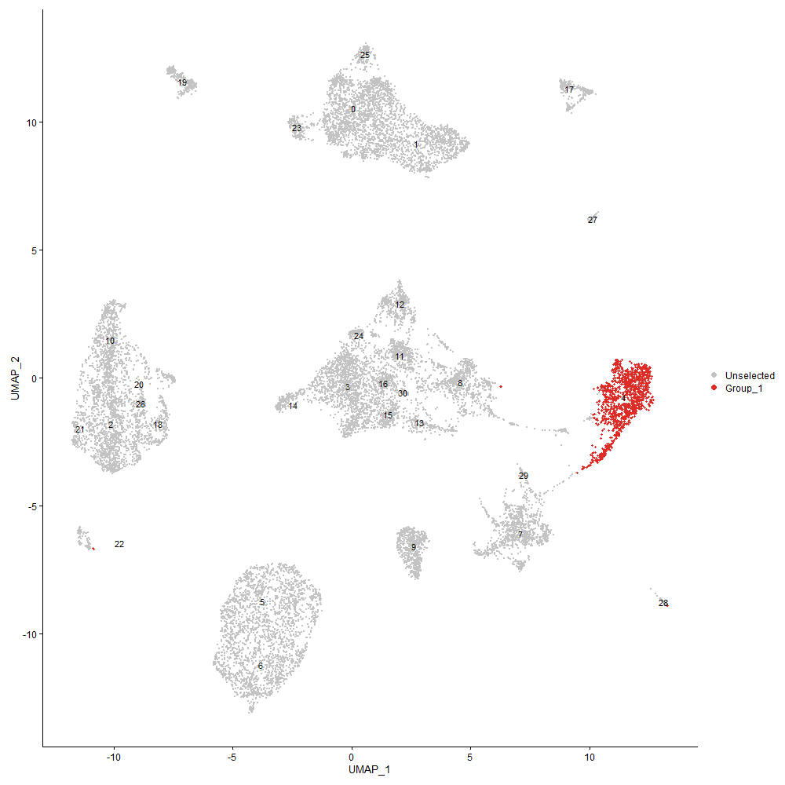
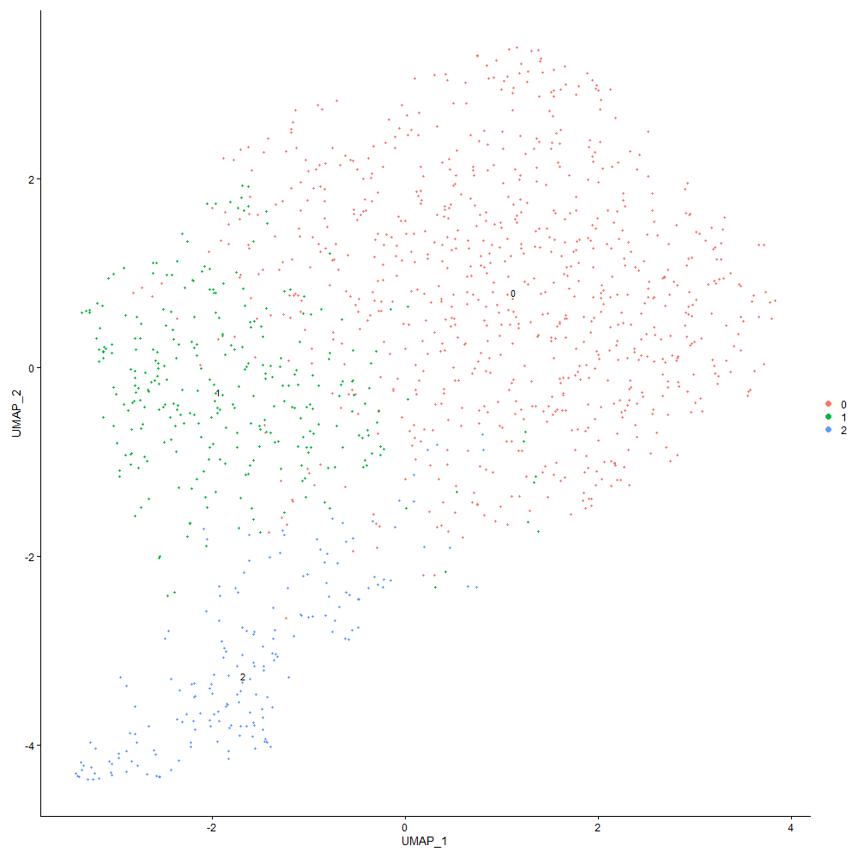
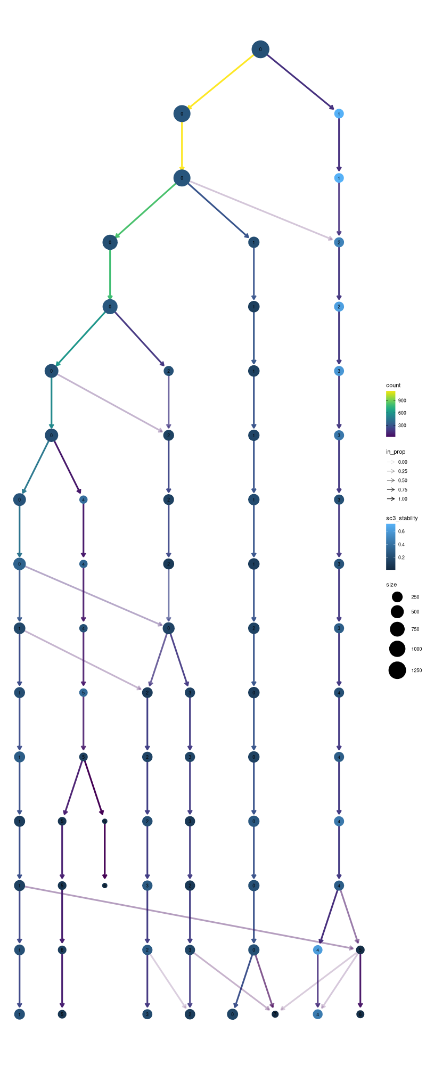

Cluster0
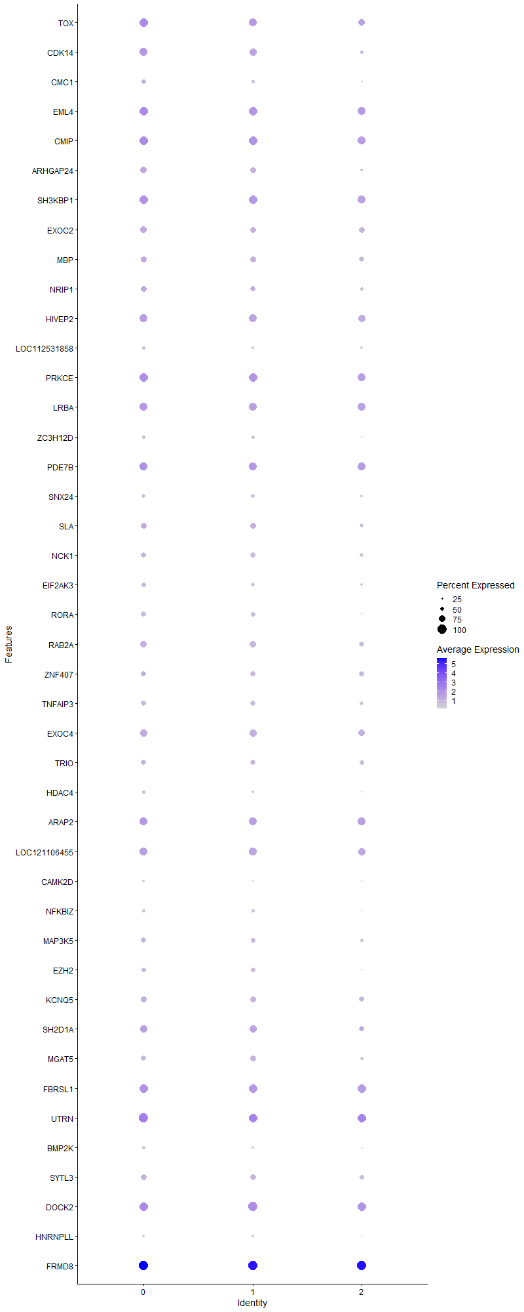
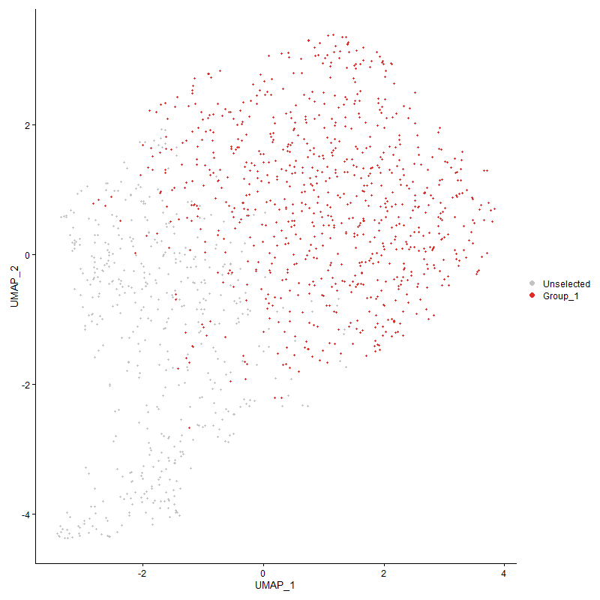
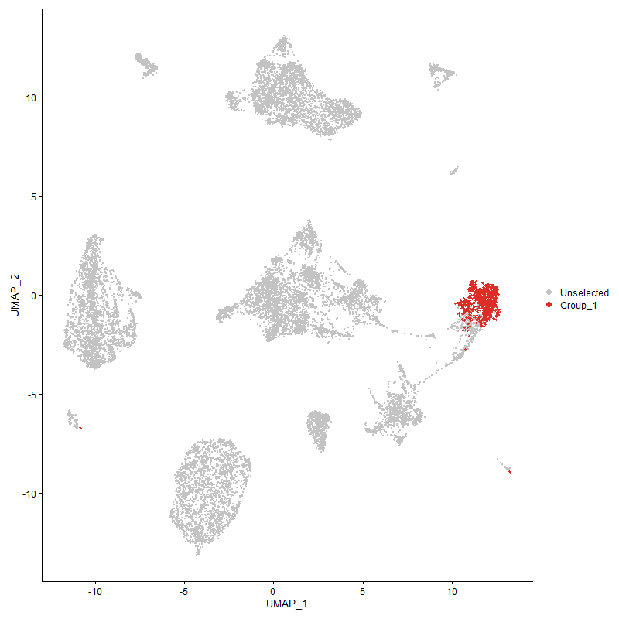
 | p_val | avg_log2FC | pct.1 | pct.2 | p_val_adj | cluster | gene
TOX | 1.2420483481E-31 | 0.7697826928 | 0.938 | 0.84 | 1.8967320324E-27 | 0 | TOX
CDK14 | 2.1497929462E-28 | 0.68986572392 | 0.879 | 0.691 | 3.2829488082E-24 | 0 | CDK14
CMC1 | 1.0813433063E-14 | 0.60225961425 | 0.544 | 0.36 | 1.651319363E-10 | 0 | CMC1
EML4 | 7.0662817865E-19 | 0.58169012969 | 0.962 | 0.951 | 1.0790918916E-14 | 0 | EML4
CMIP | 4.7050661794E-30 | 0.54939454981 | 0.989 | 0.936 | 7.1851065626E-26 | 0 | CMIP
ARHGAP24 | 1.1658131094E-14 | 0.49525920848 | 0.729 | 0.537 | 1.7803131994E-10 | 0 | ARHGAP24
SH3KBP1 | 1.0129537061E-16 | 0.48406735136 | 0.958 | 0.93 | 1.5468816046E-12 | 0 | SH3KBP1
EXOC2 | 4.3956377111E-14 | 0.4755594603 | 0.787 | 0.683 | 6.7125783486E-10 | 0 | EXOC2
MBP | 1.256302265E-06 | 0.44226933728 | 0.718 | 0.665 | 0.019184991889 | 0 | MBP
NRIP1 | 1.538964746E-10 | 0.43125726362 | 0.668 | 0.529 | 2.3501530636E-06 | 0 | NRIP1
HIVEP2 | 1.2457932139E-11 | 0.42413529927 | 0.893 | 0.864 | 1.902450817E-07 | 0 | HIVEP2
LOC112531858 | 2.01919696E-06 | 0.40345313583 | 0.445 | 0.348 | 0.030835156776 | 0 | LOC112531858
PRKCE | 1.9665404246E-13 | 0.39935273021 | 0.949 | 0.926 | 3.0031038824E-09 | 0 | PRKCE
LRBA | 9.3770564225E-12 | 0.3880540269 | 0.924 | 0.907 | 1.4319702863E-07 | 0 | LRBA
ZC3H12D | 2.7238408151E-06 | 0.3824477022 | 0.406 | 0.294 | 0.041595773088 | 0 | ZC3H12D
PDE7B | 2.3190723666E-07 | 0.37717963363 | 0.887 | 0.893 | 0.0035414554111 | 0 | PDE7B
SNX24 | 2.6162680526E-05 | 0.37524390942 | 0.491 | 0.412 | 0.39953029431 | 0 | SNX24
SLA | 2.0384553131E-08 | 0.37309412459 | 0.716 | 0.617 | 0.00031129251086 | 0 | SLA
NCK1 | 0.00022722939668 | 0.37091955045 | 0.607 | 0.576 | 1 | 0 | NCK1
EIF2AK3 | 3.8119662981E-07 | 0.3707718925 | 0.538 | 0.43 | 0.0058212537339 | 0 | EIF2AK3
RORA | 2.0775245683E-11 | 0.34165449973 | 0.585 | 0.401 | 3.1725877682E-07 | 0 | RORA
RAB2A | 3.1807008256E-07 | 0.33956033417 | 0.76 | 0.702 | 0.0048572482308 | 0 | RAB2A
ZNF407 | 0.0050259097054 | 0.33408607994 | 0.6 | 0.609 | 1 | 0 | ZNF407
TNFAIP3 | 3.7383789304E-06 | 0.33287707949 | 0.624 | 0.562 | 0.057088784646 | 0 | TNFAIP3
EXOC4 | 1.1703709077E-05 | 0.32725969711 | 0.8 | 0.784 | 0.17872734131 | 0 | EXOC4
TRIO | 4.8595995127E-05 | 0.31928980312 | 0.616 | 0.568 | 0.74210944159 | 0 | TRIO
HDAC4 | 4.6072544066E-05 | 0.31635498764 | 0.4 | 0.311 | 0.70357382043 | 0 | HDAC4
ARAP2 | 1.970222125E-07 | 0.30794581851 | 0.895 | 0.879 | 0.003008726207 | 0 | ARAP2
LOC121106455 | 2.355622605E-07 | 0.30593662991 | 0.864 | 0.881 | 0.0035972712801 | 0 | LOC121106455
CAMK2D | 2.6833436707E-07 | 0.29426960163 | 0.306 | 0.177 | 0.0040977341195 | 0 | CAMK2D
NFKBIZ | 1.0136370005E-05 | 0.29229828332 | 0.414 | 0.311 | 0.15479250635 | 0 | NFKBIZ
MAP3K5 | 1.9125164071E-06 | 0.29164235279 | 0.626 | 0.502 | 0.029206038052 | 0 | MAP3K5
EZH2 | 1.5951580006E-05 | 0.27918722098 | 0.523 | 0.426 | 0.24359657826 | 0 | EZH2
KCNQ5 | 0.00078323021444 | 0.27689531107 | 0.721 | 0.65 | 1 | 0 | KCNQ5
SH2D1A | 5.0481279435E-06 | 0.27519839031 | 0.838 | 0.741 | 0.077089961825 | 0 | SH2D1A
MGAT5 | 0.0002664716519 | 0.27344877716 | 0.6 | 0.549 | 1 | 0 | MGAT5
FBRSL1 | 7.0258572697E-08 | 0.26677586176 | 0.963 | 0.957 | 0.0010729186637 | 0 | FBRSL1
UTRN | 2.0137787756E-11 | 0.26605099708 | 1 | 0.994 | 3.0752415682E-07 | 0 | UTRN
BMP2K | 0.00028496932371 | 0.26581728764 | 0.38 | 0.298 | 1 | 0 | BMP2K
SYTL3 | 3.8855249631E-05 | 0.2585080662 | 0.712 | 0.634 | 0.59335851712 | 0 | SYTL3
DOCK2 | 8.4113186311E-09 | 0.25722511762 | 0.991 | 0.981 | 0.00012844924682 | 0 | DOCK2
HNRNPLL | 1.3548714761E-05 | 0.2556182829 | 0.338 | 0.233 | 0.20690242312 | 0 | HNRNPLL
FRMD8 | 4.5273281735E-15 | 0.25109244696 | 1 | 1 | 6.9136828538E-11 | 0 | FRMD8

Cluster1
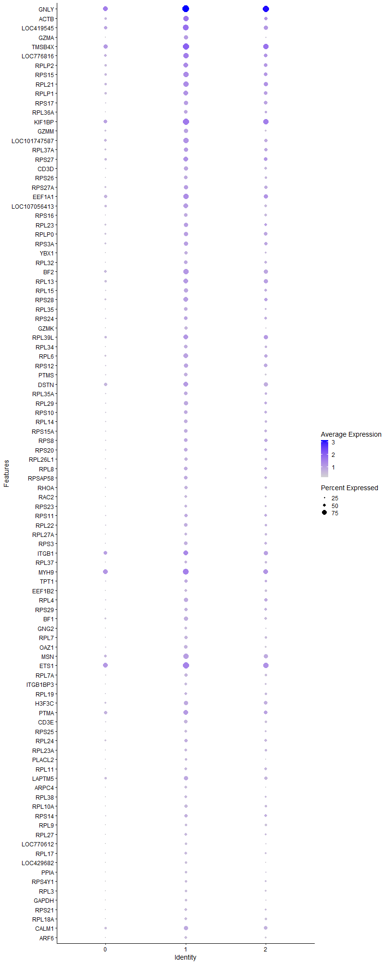
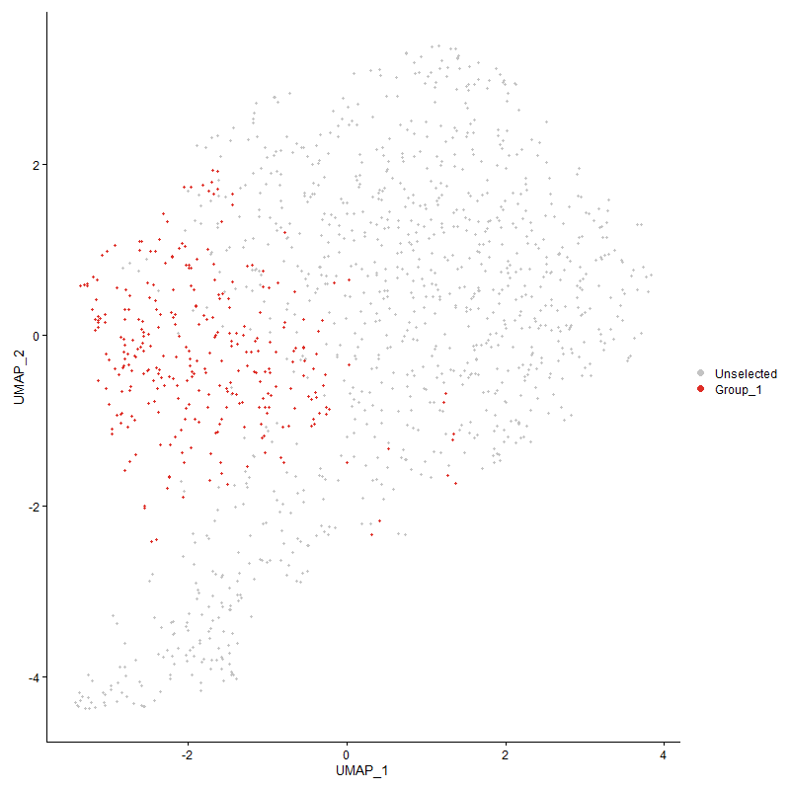
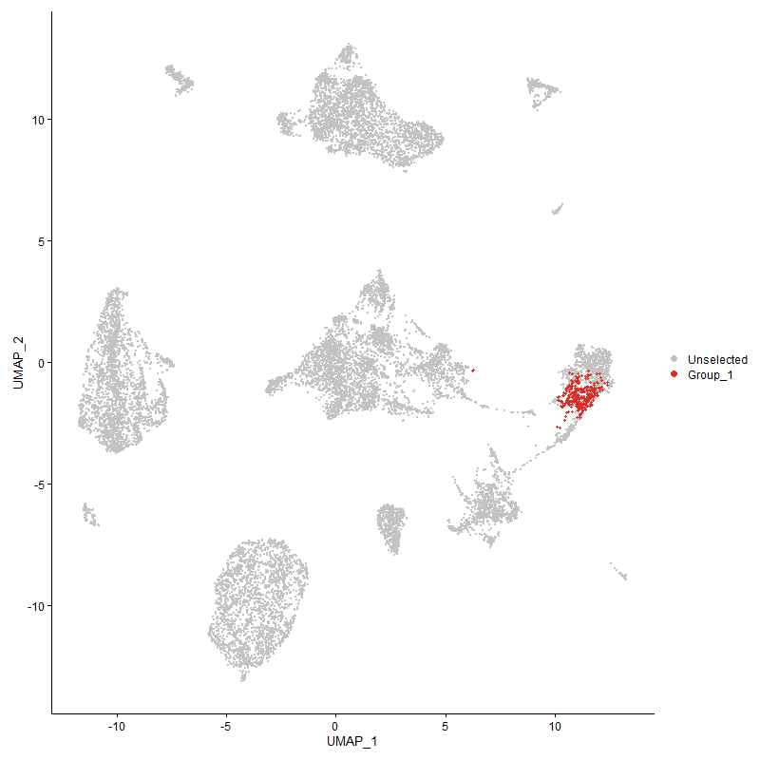
 | p_val | avg_log2FC | pct.1 | pct.2 | p_val_adj | cluster | gene
GNLY | 3.8580090166E-83 | 1.5528721951 | 0.99 | 0.777 | 5.8915655693E-79 | 1 | GNLY
ACTB | 4.7229906928E-46 | 1.3289622467 | 0.8 | 0.44 | 7.212479087E-42 | 1 | ACTB
LOC419545 | 2.0157304174E-60 | 1.1720724857 | 0.913 | 0.574 | 3.0782219204E-56 | 1 | LOC419545
GZMA | 4.7765890657E-69 | 1.1187032657 | 0.68 | 0.183 | 7.2943291622E-65 | 1 | GZMA
TMSB4X | 1.246093586E-56 | 1.0957805445 | 0.953 | 0.732 | 1.9029095151E-52 | 1 | TMSB4X
LOC776816 | 1.4856727976E-45 | 1.0487130218 | 0.84 | 0.521 | 2.2687709292E-41 | 1 | LOC776816
RPLP2 | 1.9604285391E-38 | 0.90928970824 | 0.773 | 0.452 | 2.9937704221E-34 | 1 | RPLP2
RPS15 | 3.9858928491E-38 | 0.86784242368 | 0.793 | 0.455 | 6.0868569698E-34 | 1 | RPS15
RPL21 | 7.4329655052E-35 | 0.79319979785 | 0.81 | 0.471 | 1.1350881623E-30 | 1 | RPL21
RPLP1 | 9.0199321347E-35 | 0.78314359569 | 0.78 | 0.431 | 1.3774338363E-30 | 1 | RPLP1
RPS17 | 3.1233126575E-36 | 0.7814374082 | 0.71 | 0.348 | 4.7696107593E-32 | 1 | RPS17
RPL36A | 8.8050446263E-39 | 0.74988777468 | 0.597 | 0.219 | 1.3446183649E-34 | 1 | RPL36A
KIF1BP | 6.3940743234E-37 | 0.74034023814 | 0.933 | 0.669 | 9.7643908993E-33 | 1 | KIF1BP
GZMM | 3.9115056128E-29 | 0.73329676787 | 0.647 | 0.35 | 5.9732602213E-25 | 1 | GZMM
LOC101747587 | 1.6738725946E-31 | 0.73175751537 | 0.797 | 0.481 | 2.5561708392E-27 | 1 | LOC101747587
RPL37A | 4.1485372575E-30 | 0.72903511721 | 0.703 | 0.395 | 6.3352312459E-26 | 1 | RPL37A
RPS27 | 1.1527121121E-31 | 0.71979045036 | 0.777 | 0.452 | 1.7603066665E-27 | 1 | RPS27
CD3D | 6.4780936926E-40 | 0.71901818028 | 0.667 | 0.287 | 9.892696878E-36 | 1 | CD3D
RPS26 | 4.4008106087E-39 | 0.70464566392 | 0.607 | 0.226 | 6.7204778806E-35 | 1 | RPS26
RPS27A | 3.0433703404E-27 | 0.69513645389 | 0.7 | 0.383 | 4.6475308468E-23 | 1 | RPS27A
EEF1A1 | 5.5136126819E-26 | 0.69451014686 | 0.817 | 0.563 | 8.4198379266E-22 | 1 | EEF1A1
LOC107056413 | 6.7078983575E-36 | 0.69342805424 | 0.78 | 0.435 | 1.0243631582E-31 | 1 | LOC107056413
RPS16 | 1.5074330007E-31 | 0.69199658444 | 0.577 | 0.244 | 2.3020009353E-27 | 1 | RPS16
RPL23 | 2.1151106111E-34 | 0.6917538145 | 0.7 | 0.337 | 3.2299854142E-30 | 1 | RPL23
RPLP0 | 1.0700544619E-25 | 0.67938012199 | 0.667 | 0.392 | 1.6340801688E-21 | 1 | RPLP0
RPS3A | 7.8407344549E-23 | 0.6576857856 | 0.647 | 0.366 | 1.1973585586E-18 | 1 | RPS3A
YBX1 | 4.7591040138E-36 | 0.65556254869 | 0.56 | 0.202 | 7.2676277395E-32 | 1 | YBX1
RPL32 | 1.0008338966E-30 | 0.65275375024 | 0.6 | 0.263 | 1.5283734436E-26 | 1 | RPL32
BF2 | 7.983068264E-31 | 0.64558186641 | 0.783 | 0.479 | 1.2190943546E-26 | 1 | BF2
RPL13 | 3.6451706396E-28 | 0.64526473404 | 0.763 | 0.441 | 5.5665400838E-24 | 1 | RPL13
RPL15 | 2.8789580616E-33 | 0.63950555271 | 0.663 | 0.306 | 4.3964568559E-29 | 1 | RPL15
RPS28 | 3.0926420758E-31 | 0.63829276268 | 0.733 | 0.385 | 4.722773714E-27 | 1 | RPS28
RPL35 | 2.5441011974E-34 | 0.63477998556 | 0.587 | 0.225 | 3.8850969386E-30 | 1 | RPL35
RPS24 | 4.9699360755E-27 | 0.6311814174 | 0.63 | 0.318 | 7.5895893809E-23 | 1 | RPS24
GZMK | 5.1017154435E-39 | 0.62377113676 | 0.52 | 0.162 | 7.7908296538E-35 | 1 | GZMK
RPL39L | 2.543183785E-25 | 0.61798726849 | 0.76 | 0.465 | 3.8836959581E-21 | 1 | RPL39L
RPL34 | 3.027547464E-31 | 0.61023953119 | 0.587 | 0.244 | 4.6233677323E-27 | 1 | RPL34
RPL6 | 2.7700699251E-32 | 0.59836520532 | 0.733 | 0.347 | 4.2301737827E-28 | 1 | RPL6
RPS12 | 6.7662757729E-28 | 0.59733645823 | 0.67 | 0.342 | 1.0332779733E-23 | 1 | RPS12
PTMS | 2.7513238644E-32 | 0.58726619479 | 0.6 | 0.252 | 4.2015466733E-28 | 1 | PTMS
DSTN | 5.890057163E-26 | 0.58044828112 | 0.78 | 0.543 | 8.9947062936E-22 | 1 | DSTN
RPL35A | 8.0097977983E-26 | 0.5780807201 | 0.58 | 0.271 | 1.2231762218E-21 | 1 | RPL35A
RPL29 | 1.1696186576E-27 | 0.57085537595 | 0.643 | 0.312 | 1.786124652E-23 | 1 | RPL29
RPS10 | 1.2763724388E-25 | 0.56849680847 | 0.63 | 0.31 | 1.9491483512E-21 | 1 | RPS10
RPL14 | 2.8795639954E-26 | 0.56839724703 | 0.583 | 0.264 | 4.3973821774E-22 | 1 | RPL14
RPS15A | 2.8899374101E-26 | 0.56744381719 | 0.593 | 0.28 | 4.413223419E-22 | 1 | RPS15A
RPS8 | 9.8811661334E-21 | 0.56535037147 | 0.6 | 0.323 | 1.5089528802E-16 | 1 | RPS8
RPS20 | 7.9457581141E-24 | 0.55851833798 | 0.603 | 0.286 | 1.2133967216E-19 | 1 | RPS20
RPL26L1 | 3.4287243653E-29 | 0.55306200594 | 0.547 | 0.224 | 5.2360049783E-25 | 1 | RPL26L1
RPL8 | 9.9917326526E-26 | 0.54789679493 | 0.607 | 0.291 | 1.5258374934E-21 | 1 | RPL8
RPSAP58 | 6.622909855E-23 | 0.54733923729 | 0.58 | 0.286 | 1.011384564E-18 | 1 | RPSAP58
RHOA | 7.2805283166E-26 | 0.54314438534 | 0.56 | 0.246 | 1.1118094792E-21 | 1 | RHOA
RAC2 | 5.4676882467E-30 | 0.54295605366 | 0.453 | 0.152 | 8.3497067215E-26 | 1 | RAC2
RPS23 | 6.2887116354E-20 | 0.53222681718 | 0.47 | 0.218 | 9.6034915384E-16 | 1 | RPS23
RPS11 | 4.7758287765E-18 | 0.53132341109 | 0.55 | 0.288 | 7.2931681246E-14 | 1 | RPS11
RPL22 | 9.5768582131E-25 | 0.52824040399 | 0.587 | 0.273 | 1.4624820177E-20 | 1 | RPL22
RPL27A | 3.8364218691E-27 | 0.52811106055 | 0.487 | 0.188 | 5.8585998363E-23 | 1 | RPL27A
RPS3 | 2.5986620676E-27 | 0.5214827462 | 0.6 | 0.257 | 3.9684168434E-23 | 1 | RPS3
ITGB1 | 3.3135872505E-10 | 0.51905837922 | 0.77 | 0.633 | 5.0601790902E-06 | 1 | ITGB1
RPL37 | 3.1427539046E-22 | 0.5170954129 | 0.5 | 0.226 | 4.7992994877E-18 | 1 | RPL37
MYH9 | 2.1205002019E-19 | 0.51588685233 | 0.903 | 0.751 | 3.2382158583E-15 | 1 | MYH9
TPT1 | 1.6979164137E-18 | 0.51495208847 | 0.567 | 0.306 | 2.5928881553E-14 | 1 | TPT1
EEF1B2 | 1.171603963E-23 | 0.50672927477 | 0.45 | 0.179 | 1.7891564118E-19 | 1 | EEF1B2
RPL4 | 3.8800338414E-25 | 0.50511844971 | 0.68 | 0.342 | 5.9251996792E-21 | 1 | RPL4
RPS29 | 6.1166162014E-25 | 0.49592251981 | 0.57 | 0.253 | 9.3406846012E-21 | 1 | RPS29
BF1 | 2.2478232471E-24 | 0.49395482969 | 0.653 | 0.34 | 3.4326508806E-20 | 1 | BF1
GNG2 | 1.1422078744E-26 | 0.49278044527 | 0.5 | 0.202 | 1.7442656449E-22 | 1 | GNG2
RPL7 | 7.6711145847E-26 | 0.48404100407 | 0.553 | 0.232 | 1.1714559082E-21 | 1 | RPL7
OAZ1 | 8.1467997269E-27 | 0.4817375755 | 0.607 | 0.275 | 1.2440977863E-22 | 1 | OAZ1
MSN | 4.643254966E-20 | 0.48153610711 | 0.783 | 0.522 | 7.0907146586E-16 | 1 | MSN
ETS1 | 4.2969104255E-21 | 0.48096208437 | 0.943 | 0.755 | 6.5618119108E-17 | 1 | ETS1
RPL7A | 1.4835050178E-23 | 0.48020428607 | 0.55 | 0.262 | 2.2654605127E-19 | 1 | RPL7A
ITGB1BP3 | 1.2133985238E-23 | 0.46815431033 | 0.457 | 0.179 | 1.8529808857E-19 | 1 | ITGB1BP3
RPL19 | 2.5998080913E-14 | 0.4678663996 | 0.473 | 0.26 | 3.9701669362E-10 | 1 | RPL19
H3F3C | 2.304668567E-20 | 0.46719277885 | 0.687 | 0.401 | 3.5194593687E-16 | 1 | H3F3C
PTMA | 6.1023839506E-14 | 0.46711719826 | 0.72 | 0.535 | 9.318950531E-10 | 1 | PTMA
CD3E | 2.4477060438E-21 | 0.46077548677 | 0.583 | 0.299 | 3.7378918995E-17 | 1 | CD3E
RPS25 | 3.021988287E-25 | 0.4594106506 | 0.453 | 0.168 | 4.6148783131E-21 | 1 | RPS25
RPL24 | 4.3850783E-14 | 0.45560962919 | 0.553 | 0.346 | 6.6964530719E-10 | 1 | RPL24
RPL23A | 1.9199868378E-16 | 0.4517677783 | 0.453 | 0.215 | 2.9320119E-12 | 1 | RPL23A
PLACL2 | 1.2156000901E-11 | 0.44923043806 | 0.39 | 0.214 | 1.8563428976E-07 | 1 | PLACL2
RPL11 | 6.6107650658E-23 | 0.44913208394 | 0.503 | 0.216 | 1.0095299332E-18 | 1 | RPL11
LAPTM5 | 1.8111619208E-13 | 0.44508233879 | 0.647 | 0.442 | 2.7658253692E-09 | 1 | LAPTM5
ARPC4 | 1.1042404515E-25 | 0.44001734088 | 0.447 | 0.158 | 1.6862855935E-21 | 1 | ARPC4
RPL38 | 4.0766430219E-23 | 0.43382518932 | 0.47 | 0.188 | 6.2254415587E-19 | 1 | RPL38
RPL10A | 1.1334825315E-29 | 0.43336184527 | 0.517 | 0.182 | 1.7309411739E-25 | 1 | RPL10A
RPS14 | 3.8975303793E-16 | 0.43227530079 | 0.543 | 0.301 | 5.9519186422E-12 | 1 | RPS14
RPL9 | 1.6192434611E-17 | 0.42707274297 | 0.417 | 0.185 | 2.4727466895E-13 | 1 | RPL9
RPL27 | 7.5357202268E-17 | 0.42669021744 | 0.437 | 0.203 | 1.1507798358E-12 | 1 | RPL27
LOC770612 | 4.6413593264E-26 | 0.42461748574 | 0.41 | 0.136 | 7.0878198273E-22 | 1 | LOC770612
RPL17 | 1.5304245446E-22 | 0.42180194953 | 0.487 | 0.2 | 2.337111322E-18 | 1 | RPL17
LOC429682 | 2.1325681637E-27 | 0.41853015586 | 0.427 | 0.139 | 3.2566448429E-23 | 1 | LOC429682
PPIA | 9.7532723612E-20 | 0.41557606734 | 0.41 | 0.164 | 1.4894222223E-15 | 1 | PPIA
RPS4Y1 | 1.9323753794E-20 | 0.41448910241 | 0.43 | 0.177 | 2.9509304419E-16 | 1 | RPS4Y1
RPL3 | 2.5863762335E-14 | 0.41382891117 | 0.37 | 0.169 | 3.9496551462E-10 | 1 | RPL3
GAPDH | 6.1034791115E-23 | 0.41072450641 | 0.42 | 0.156 | 9.3206229512E-19 | 1 | GAPDH
RPS21 | 2.6693455647E-22 | 0.408389833 | 0.483 | 0.192 | 4.0763576119E-18 | 1 | RPS21
RPL18A | 2.9465206577E-17 | 0.40723124542 | 0.443 | 0.207 | 4.4996316964E-13 | 1 | RPL18A
CALM1 | 2.9322074614E-14 | 0.4061565585 | 0.657 | 0.421 | 4.4777740144E-10 | 1 | CALM1
ARF6 | 1.9800865573E-20 | 0.40452116895 | 0.453 | 0.193 | 3.0237901816E-16 | 1 | ARF6
RACK1 | 2.4797024887E-12 | 0.40217489597 | 0.467 | 0.268 | 3.7867536705E-08 | 1 | RACK1
PNRC1 | 1.3545282251E-14 | 0.39714009036 | 0.733 | 0.526 | 2.0685000525E-10 | 1 | PNRC1
RPS2 | 6.6923175952E-16 | 0.39311081354 | 0.51 | 0.265 | 1.02198382E-11 | 1 | RPS2
LOC395551 | 0.0008121241754 | 0.39089979388 | 0.343 | 0.252 | 1 | 1 | LOC395551
NME2 | 6.620515948E-21 | 0.38789344056 | 0.42 | 0.16 | 1.0110189904E-16 | 1 | NME2
C12orf75 | 3.8060309922E-18 | 0.38118064092 | 0.393 | 0.163 | 5.8121899281E-14 | 1 | C12orf75
RPL30 | 2.1839784487E-16 | 0.37907475669 | 0.41 | 0.188 | 3.3351534891E-12 | 1 | RPL30
RPL5 | 5.3815631336E-17 | 0.37900101852 | 0.427 | 0.192 | 8.2181850614E-13 | 1 | RPL5
LSP1P1 | 3.0398274829E-14 | 0.37882914167 | 0.453 | 0.241 | 4.6421205492E-10 | 1 | LSP1P1
CAP1 | 2.2548927243E-17 | 0.37845717748 | 0.403 | 0.174 | 3.4434466793E-13 | 1 | CAP1
EEF1G | 3.8690745203E-17 | 0.37727802331 | 0.587 | 0.321 | 5.9084637E-13 | 1 | EEF1G
SH3BGRL3 | 1.1788552287E-21 | 0.37242862365 | 0.397 | 0.145 | 1.8002298198E-17 | 1 | SH3BGRL3
UBB | 2.3884484607E-24 | 0.37183951183 | 0.4 | 0.135 | 3.6473996443E-20 | 1 | UBB
UBA52 | 5.2981730338E-18 | 0.3707012836 | 0.523 | 0.255 | 8.0908400399E-14 | 1 | UBA52
RAP2C | 4.0921348E-15 | 0.37061429303 | 0.437 | 0.216 | 6.249099053E-11 | 1 | RAP2C
HMGN4 | 1.1275465734E-14 | 0.36427276616 | 0.33 | 0.143 | 1.7218763723E-10 | 1 | HMGN4
HEXIM1 | 1.0566415852E-15 | 0.35883712526 | 0.43 | 0.205 | 1.6135973647E-11 | 1 | HEXIM1
CSK | 3.2666897352E-21 | 0.354154565 | 0.39 | 0.143 | 4.9885618946E-17 | 1 | CSK
PABPC1 | 2.8706074549E-12 | 0.35230549508 | 0.713 | 0.485 | 4.3837046444E-08 | 1 | PABPC1
ZFP36L1 | 2.302597065E-09 | 0.35049976718 | 0.783 | 0.625 | 3.5162959779E-05 | 1 | ZFP36L1
ALOX5AP | 1.105600767E-18 | 0.34690054449 | 0.317 | 0.107 | 1.6883629313E-14 | 1 | ALOX5AP
MYL6 | 4.2159006911E-17 | 0.34653947752 | 0.453 | 0.213 | 6.4381019454E-13 | 1 | MYL6
SERBP1 | 3.0731263884E-15 | 0.34614066628 | 0.45 | 0.227 | 4.6929713078E-11 | 1 | SERBP1
NCL | 2.1949735105E-13 | 0.34586230492 | 0.523 | 0.295 | 3.3519440479E-09 | 1 | NCL
ARPC1B | 3.1686301952E-18 | 0.34498848536 | 0.38 | 0.152 | 4.8388151711E-14 | 1 | ARPC1B
FTH1 | 2.8377032692E-10 | 0.34397286051 | 0.483 | 0.305 | 4.3334566624E-06 | 1 | FTH1
LCP1 | 1.2100261978E-09 | 0.34237880547 | 0.557 | 0.359 | 1.8478310067E-05 | 1 | LCP1
MBNL1 | 5.162658109E-15 | 0.34057791928 | 0.723 | 0.483 | 7.8838951983E-11 | 1 | MBNL1
CYBA | 1.6633176017E-21 | 0.34031718969 | 0.413 | 0.154 | 2.5400523096E-17 | 1 | CYBA
RPS7 | 1.1936503757E-17 | 0.33669621254 | 0.493 | 0.23 | 1.8228234887E-13 | 1 | RPS7
MCL1 | 5.8600127633E-13 | 0.33407009486 | 0.467 | 0.256 | 8.9488254908E-09 | 1 | MCL1
RPL36 | 3.6123302765E-10 | 0.33221405134 | 0.327 | 0.169 | 5.5163895652E-06 | 1 | RPL36
RPL12 | 9.9687822034E-14 | 0.33155798945 | 0.417 | 0.206 | 1.5223327303E-09 | 1 | RPL12
GPX1 | 2.9835733395E-21 | 0.33038239809 | 0.423 | 0.16 | 4.5562148467E-17 | 1 | GPX1
SET | 4.8823285441E-22 | 0.32936757647 | 0.37 | 0.124 | 7.4558039197E-18 | 1 | SET
SCIN | 1.7716304709E-12 | 0.32567786827 | 0.593 | 0.353 | 2.7054568921E-08 | 1 | SCIN
SERF2 | 1.1527919792E-14 | 0.32481060342 | 0.443 | 0.217 | 1.7604286314E-10 | 1 | SERF2
RPS6 | 4.914091072E-10 | 0.32044541086 | 0.4 | 0.226 | 7.504308476E-06 | 1 | RPS6
ITM2A | 1.3056224882E-12 | 0.31658805956 | 0.45 | 0.243 | 1.9938161018E-08 | 1 | ITM2A
PSME1 | 3.3517960663E-13 | 0.31068027459 | 0.483 | 0.27 | 5.1185277728E-09 | 1 | PSME1
LOC121106978 | 6.2711311453E-08 | 0.30987722117 | 0.71 | 0.549 | 0.00095766443719 | 1 | LOC121106978
RPL31 | 1.4891722688E-09 | 0.30654101617 | 0.32 | 0.162 | 2.2741149717E-05 | 1 | RPL31
TRBV6-5 | 6.0159100295E-07 | 0.30396030322 | 0.797 | 0.619 | 0.009186896206 | 1 | TRBV6-5
EEF1D | 2.8314163414E-13 | 0.30112049738 | 0.357 | 0.164 | 4.3238558949E-09 | 1 | EEF1D
COX8A | 2.1744124332E-16 | 0.29639264278 | 0.307 | 0.111 | 3.3205452267E-12 | 1 | COX8A
HOPX | 6.0884855317E-13 | 0.29451559179 | 0.32 | 0.141 | 9.2977262554E-09 | 1 | HOPX
CCL5 | 8.5528929245E-19 | 0.29192230966 | 0.27 | 0.078 | 1.3061122785E-14 | 1 | CCL5
EEF2 | 7.7164928147E-09 | 0.29012437517 | 0.4 | 0.242 | 0.00011783856177 | 1 | EEF2
EOMES | 8.906999772E-15 | 0.28902227463 | 0.327 | 0.132 | 1.3601879352E-10 | 1 | EOMES
SEPTIN8 | 9.3508549672E-12 | 0.28690051763 | 0.377 | 0.196 | 1.427969062E-07 | 1 | SEPTIN8
RAP1A | 1.7854679241E-07 | 0.28116613076 | 0.467 | 0.318 | 0.0027265880669 | 1 | RAP1A
FKBP1A | 2.1973819335E-12 | 0.28041648406 | 0.24 | 0.091 | 3.3556219507E-08 | 1 | FKBP1A
NACA | 1.3896287454E-14 | 0.2785704249 | 0.34 | 0.144 | 2.1221020571E-10 | 1 | NACA
ACTR2 | 3.1911368702E-10 | 0.27562955361 | 0.387 | 0.214 | 4.8731851145E-06 | 1 | ACTR2
TPM3 | 4.1047870885E-08 | 0.27545705999 | 0.52 | 0.345 | 0.00062684203628 | 1 | TPM3
GNAI2 | 7.1627667578E-16 | 0.27533209099 | 0.313 | 0.118 | 1.0938261116E-11 | 1 | GNAI2
TAPBP | 2.7871255654E-15 | 0.27466995937 | 0.303 | 0.116 | 4.2562194509E-11 | 1 | TAPBP
RPS13 | 2.6658004689E-09 | 0.27441275072 | 0.307 | 0.157 | 4.070943896E-05 | 1 | RPS13
MTPN | 1.5207628928E-09 | 0.2743758819 | 0.47 | 0.282 | 2.3223570136E-05 | 1 | MTPN
ZNF593 | 1.5648426145E-15 | 0.27302380086 | 0.287 | 0.104 | 2.3896711565E-11 | 1 | ZNF593
H1FX | 2.2605207748E-09 | 0.27212327726 | 0.243 | 0.111 | 3.4520412751E-05 | 1 | H1FX
ACTR3 | 1.3894907548E-09 | 0.26854238377 | 0.58 | 0.387 | 2.1218913317E-05 | 1 | ACTR3
CRIP1 | 1.0101277473E-16 | 0.26548632339 | 0.263 | 0.082 | 1.5425660829E-12 | 1 | CRIP1
CDC42 | 3.9523842115E-06 | 0.26519186389 | 0.51 | 0.39 | 0.060356859293 | 1 | CDC42
CORO1C | 7.3352886824E-07 | 0.26192014044 | 0.583 | 0.438 | 0.011201719347 | 1 | CORO1C
TLN1 | 4.4184864286E-10 | 0.26163927703 | 0.393 | 0.214 | 6.7474706252E-06 | 1 | TLN1
SETBP1 | 2.8437600337E-06 | 0.26153546315 | 0.487 | 0.332 | 0.043427059474 | 1 | SETBP1
SAMSN1 | 0.00019031496499 | 0.25450686747 | 0.733 | 0.652 | 1 | 1 | SAMSN1
SREBF2 | 1.1115589522E-08 | 0.2542092548 | 0.44 | 0.271 | 0.00016974616759 | 1 | SREBF2
HMGB1 | 2.8051308307E-06 | 0.25337546538 | 0.57 | 0.423 | 0.042837152915 | 1 | HMGB1
IFI35 | 9.7986095363E-16 | 0.25212743963 | 0.29 | 0.103 | 1.4963456623E-11 | 1 | IFI35
INTS13 | 2.3638891226E-14 | 0.25085466051 | 0.297 | 0.114 | 3.6098950792E-10 | 1 | INTS13

Cluster2
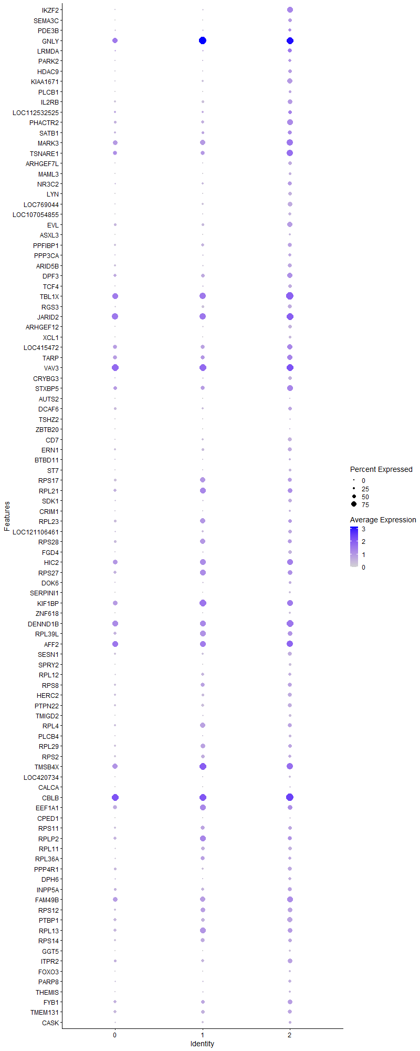
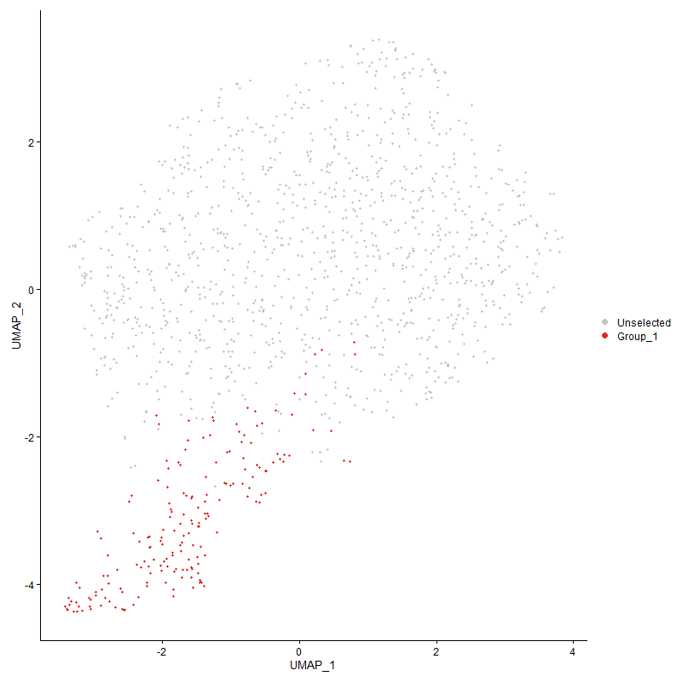
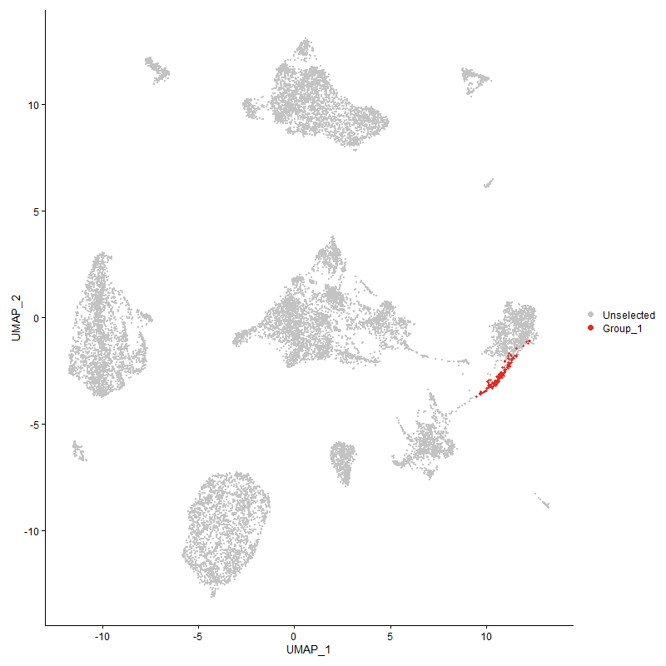
 | p_val | avg_log2FC | pct.1 | pct.2 | p_val_adj | cluster | gene
IKZF2 | 6.2742915494E-105 | 1.5921734156 | 0.79 | 0.112 | 9.5814706251E-101 | 2 | IKZF2
SEMA3C | 4.1089345967E-110 | 1.3456715548 | 0.511 | 0.016 | 6.2747540226E-106 | 2 | SEMA3C
PDE3B | 5.8038204417E-13 | 1.2943344726 | 0.392 | 0.188 | 8.8630141965E-09 | 2 | PDE3B
GNLY1 | 1.2428954274E-14 | 1.1781517584 | 0.946 | 0.806 | 1.8980256071E-10 | 2 | GNLY
LRMDA | 1.9023129822E-24 | 1.1730057095 | 0.532 | 0.2 | 2.9050221552E-20 | 2 | LRMDA
PARK2 | 3.2759406704E-29 | 1.100556328 | 0.371 | 0.084 | 5.0026889977E-25 | 2 | PARK2
HDAC9 | 2.4783484153E-43 | 1.0624824308 | 0.452 | 0.085 | 3.784685865E-39 | 2 | HDAC9
KIAA1671 | 1.27037204E-65 | 1.0328918816 | 0.715 | 0.159 | 1.9399851422E-61 | 2 | KIAA1671
PLCB1 | 1.1856609515E-45 | 1.0205843322 | 0.317 | 0.031 | 1.8106228391E-41 | 2 | PLCB1
IL2RB | 2.5255470269E-38 | 0.96516462451 | 0.656 | 0.243 | 3.8567628647E-34 | 2 | IL2RB
LOC112532525 | 5.5976905681E-18 | 0.95332332166 | 0.522 | 0.222 | 8.5482332665E-14 | 2 | LOC112532525
PHACTR2 | 4.0421409997E-35 | 0.94986554162 | 0.785 | 0.357 | 6.1727535207E-31 | 2 | PHACTR2
SATB1 | 2.7913438162E-20 | 0.93541800376 | 0.581 | 0.276 | 4.2626611418E-16 | 2 | SATB1
MARK3 | 5.1995256172E-25 | 0.8740679793 | 0.892 | 0.637 | 7.9401955701E-21 | 2 | MARK3
TSNARE1 | 1.0026022651E-22 | 0.82976133511 | 0.882 | 0.555 | 1.5310739191E-18 | 2 | TSNARE1
ARHGEF7L | 2.3929139362E-49 | 0.81082711396 | 0.5 | 0.095 | 3.654218872E-45 | 2 | ARHGEF7L
MAML3 | 6.5622181608E-48 | 0.74949827273 | 0.36 | 0.039 | 1.0021163353E-43 | 2 | MAML3
NR3C2 | 1.6266554728E-20 | 0.73713018204 | 0.543 | 0.22 | 2.4840655725E-16 | 2 | NR3C2
LYN | 5.9340454013E-53 | 0.7176002693 | 0.468 | 0.071 | 9.0618807324E-49 | 2 | LYN
LOC769044 | 1.6403643341E-50 | 0.68512666265 | 0.651 | 0.155 | 2.5050003746E-46 | 2 | LOC769044
LOC107054855 | 5.3952662886E-53 | 0.68377604443 | 0.435 | 0.058 | 8.2391111493E-49 | 2 | LOC107054855
EVL | 8.2243449096E-26 | 0.65880187818 | 0.694 | 0.31 | 1.2559397111E-21 | 2 | EVL
ASXL3 | 8.2006023809E-45 | 0.64887426454 | 0.253 | 0.014 | 1.2523139896E-40 | 2 | ASXL3
PPFIBP1 | 6.0557724238E-20 | 0.64365080931 | 0.581 | 0.272 | 9.2477700684E-16 | 2 | PPFIBP1
PPP3CA | 2.2366771096E-20 | 0.64276978066 | 0.435 | 0.148 | 3.4156296141E-16 | 2 | PPP3CA
ARID5B | 7.582728045E-23 | 0.62947076186 | 0.543 | 0.215 | 1.1579583997E-18 | 2 | ARID5B
DPF3 | 2.3829178634E-14 | 0.62404181996 | 0.699 | 0.418 | 3.6389538691E-10 | 2 | DPF3
TCF4 | 9.7359280436E-33 | 0.622201901 | 0.5 | 0.129 | 1.4867735715E-28 | 2 | TCF4
TBL1X | 1.2240720944E-17 | 0.61923240281 | 0.989 | 0.831 | 1.8692804954E-13 | 2 | TBL1X
RGS3 | 6.3431491912E-30 | 0.60592211936 | 0.591 | 0.211 | 9.6866231299E-26 | 2 | RGS3
JARID2 | 1.5048261141E-17 | 0.59692611655 | 0.952 | 0.849 | 2.2980199588E-13 | 2 | JARID2
ARHGEF12 | 2.3273454906E-41 | 0.59163650664 | 0.489 | 0.099 | 3.5540892987E-37 | 2 | ARHGEF12
XCL1 | 3.5067607803E-51 | 0.59110948506 | 0.366 | 0.037 | 5.3551743875E-47 | 2 | XCL1
LOC415472 | 1.8136936357E-09 | 0.589193281 | 0.742 | 0.572 | 2.7696915512E-05 | 2 | LOC415472
TARP | 5.8219676669E-10 | 0.58395818809 | 0.726 | 0.545 | 8.8907268242E-06 | 2 | TARP
VAV3 | 1.0787683387E-18 | 0.56101499834 | 0.984 | 0.927 | 1.64738713E-14 | 2 | VAV3
CRYBG3 | 2.6069133028E-29 | 0.56004112554 | 0.452 | 0.12 | 3.9810173048E-25 | 2 | CRYBG3
STXBP5 | 9.4203099089E-14 | 0.55790958097 | 0.796 | 0.534 | 1.4385755262E-09 | 2 | STXBP5
AUTS2 | 2.2305203463E-29 | 0.55230617116 | 0.118 | 0.001 | 3.4062276209E-25 | 2 | AUTS2
DCAF6 | 1.27900784E-08 | 0.54505377928 | 0.468 | 0.289 | 0.00019531728724 | 2 | DCAF6
TSHZ2 | 5.9881266194E-16 | 0.54389073436 | 0.204 | 0.045 | 9.1444681605E-12 | 2 | TSHZ2
ZBTB20 | 2.0924158586E-15 | 0.54103189785 | 0.134 | 0.019 | 3.1953282577E-11 | 2 | ZBTB20
CD7 | 4.5145350435E-33 | 0.53744903952 | 0.554 | 0.159 | 6.894146465E-29 | 2 | CD7
ERN1 | 5.3412710775E-16 | 0.53157528797 | 0.543 | 0.269 | 8.1566550624E-12 | 2 | ERN1
BTBD11 | 6.2920550714E-08 | 0.53111690602 | 0.263 | 0.119 | 0.00096085972995 | 2 | BTBD11
ST7 | 7.431959284E-26 | 0.519012238 | 0.36 | 0.085 | 1.1349345023E-21 | 2 | ST7
RPS171 | 6.7332094825E-08 | 0.51809301609 | 0.581 | 0.407 | 0.0010282284201 | 2 | RPS17
RPL211 | 1.7704530501E-06 | 0.51603083708 | 0.667 | 0.53 | 0.027036588528 | 2 | RPL21
SDK1 | 5.4438452834E-19 | 0.51495277947 | 0.468 | 0.177 | 8.3132961323E-15 | 2 | SDK1
CRIM1 | 2.004220878E-14 | 0.51239387477 | 0.28 | 0.087 | 3.0606457028E-10 | 2 | CRIM1
RPL231 | 0.0042505945481 | 0.50977500433 | 0.468 | 0.413 | 1 | 2 | RPL23
LOC121106461 | 1.2190796871E-14 | 0.50973821937 | 0.478 | 0.216 | 1.8616565902E-10 | 2 | LOC121106461
RPS281 | 1.695674854E-06 | 0.50937375976 | 0.57 | 0.448 | 0.025894650695 | 2 | RPS28
FGD4 | 8.8036960292E-28 | 0.50921596266 | 0.462 | 0.129 | 1.3444124206E-23 | 2 | FGD4
HIC2 | 6.6731706496E-12 | 0.50764864946 | 0.828 | 0.652 | 1.0190598899E-07 | 2 | HIC2
RPS271 | 0.0001763661033 | 0.50748374804 | 0.624 | 0.511 | 1 | 2 | RPS27
DOK6 | 5.1521687122E-10 | 0.49917401352 | 0.306 | 0.131 | 7.8678768404E-06 | 2 | DOK6
SERPINI1 | 2.3969514626E-43 | 0.49718185023 | 0.253 | 0.016 | 3.6603845786E-39 | 2 | SERPINI1
KIF1BP1 | 7.6513504227E-09 | 0.49638478742 | 0.828 | 0.713 | 0.0001168437723 | 2 | KIF1BP
ZNF618 | 4.1125063756E-49 | 0.4921064007 | 0.274 | 0.015 | 6.2802084862E-45 | 2 | ZNF618
DENND1B | 3.32682688E-14 | 0.49014713044 | 0.919 | 0.78 | 5.0803973284E-10 | 2 | DENND1B
RPL39L1 | 9.4637003771E-09 | 0.48205293114 | 0.677 | 0.509 | 0.00014452016846 | 2 | RPL39L
AFF2 | 9.0932567626E-08 | 0.47946747055 | 0.909 | 0.821 | 0.0013886312402 | 2 | AFF2
SESN1 | 1.2589406472E-17 | 0.47074693187 | 0.538 | 0.242 | 1.9225282623E-13 | 2 | SESN1
SPRY2 | 3.3092344976E-46 | 0.46696529132 | 0.296 | 0.023 | 5.0535320014E-42 | 2 | SPRY2
RPL121 | 1.6294633931E-08 | 0.46566357235 | 0.414 | 0.228 | 0.00024883535476 | 2 | RPL12
RPS81 | 4.7261823291E-09 | 0.45907806024 | 0.554 | 0.359 | 7.2173530347E-05 | 2 | RPS8
HERC2 | 2.207146549E-11 | 0.45325682151 | 0.527 | 0.292 | 3.3705334949E-07 | 2 | HERC2
PTPN22 | 3.8714477994E-13 | 0.44855845248 | 0.57 | 0.316 | 5.9120879344E-09 | 2 | PTPN22
TMIGD2 | 3.3813061323E-26 | 0.44675903597 | 0.36 | 0.084 | 5.1635925946E-22 | 2 | TMIGD2
RPL41 | 1.1752930205E-06 | 0.44529020919 | 0.559 | 0.397 | 0.017947899716 | 2 | RPL4
PLCB4 | 4.1813167573E-24 | 0.44398887297 | 0.349 | 0.082 | 6.38528882E-20 | 2 | PLCB4
RPL291 | 0.00016416275509 | 0.43936418187 | 0.473 | 0.375 | 1 | 2 | RPL29
RPS22 | 8.5623084591E-07 | 0.43913043122 | 0.446 | 0.301 | 0.013075501248 | 2 | RPS2
TMSB4X1 | 0.0020415051827 | 0.43464283225 | 0.849 | 0.772 | 1 | 2 | TMSB4X
LOC420734 | 5.0265086468E-24 | 0.43335580652 | 0.285 | 0.057 | 7.6759813546E-20 | 2 | LOC420734
CALCA | 5.5641111729E-13 | 0.43268722634 | 0.161 | 0.035 | 8.4969541721E-09 | 2 | CALCA
CBLB | 1.5572354043E-11 | 0.43267291918 | 0.989 | 0.924 | 2.3780541859E-07 | 2 | CBLB
EEF1A11 | 0.00025679403992 | 0.42904435727 | 0.667 | 0.614 | 1 | 2 | EEF1A1
CPED1 | 1.2574268562E-24 | 0.42703109527 | 0.151 | 0.011 | 1.9202165522E-20 | 2 | CPED1
RPS111 | 1.4476249776E-05 | 0.42571100079 | 0.462 | 0.33 | 0.22106681033 | 2 | RPS11
RPLP21 | 0.0010980632315 | 0.42352896017 | 0.597 | 0.514 | 1 | 2 | RPLP2
RPL111 | 5.6563131617E-10 | 0.42210608295 | 0.468 | 0.251 | 8.6377558292E-06 | 2 | RPL11
RPL36A1 | 1.146841184E-05 | 0.42198828946 | 0.43 | 0.285 | 0.17513411721 | 2 | RPL36A
PPP4R1 | 1.6268304397E-10 | 0.42129648975 | 0.532 | 0.306 | 2.4843327645E-06 | 2 | PPP4R1
DPH6 | 3.3111096627E-16 | 0.42105548828 | 0.435 | 0.163 | 5.0563955659E-12 | 2 | DPH6
INPP5A | 5.5729012107E-08 | 0.42026601408 | 0.559 | 0.373 | 0.00085103774388 | 2 | INPP5A
FAM49B | 1.7112384894E-09 | 0.41863845151 | 0.817 | 0.668 | 2.6132322971E-05 | 2 | FAM49B
RPS121 | 8.196635007E-09 | 0.41541295668 | 0.608 | 0.386 | 0.00012517081319 | 2 | RPS12
PTBP1 | 2.0326331324E-14 | 0.4142595564 | 0.699 | 0.417 | 3.1040340564E-10 | 2 | PTBP1
RPL131 | 3.701877768E-07 | 0.41142130838 | 0.645 | 0.494 | 0.0056531375395 | 2 | RPL13
RPS141 | 1.4863050518E-05 | 0.41084726967 | 0.478 | 0.337 | 0.22697364446 | 2 | RPS14
GGT5 | 8.3614335164E-49 | 0.40736357139 | 0.253 | 0.011 | 1.2768745123E-44 | 2 | GGT5
ITPR2 | 2.1669410096E-11 | 0.40685935553 | 0.645 | 0.376 | 3.3091356157E-07 | 2 | ITPR2
FOXO3 | 2.9074259796E-16 | 0.40446825757 | 0.237 | 0.057 | 4.4399302134E-12 | 2 | FOXO3
PARP8 | 1.4621523349E-09 | 0.40389694167 | 0.382 | 0.188 | 2.2328528306E-05 | 2 | PARP8
THEMIS | 5.1472562426E-09 | 0.40178464987 | 0.285 | 0.124 | 7.8603750081E-05 | 2 | THEMIS
FYB1 | 6.3539635288E-07 | 0.40060011606 | 0.608 | 0.43 | 0.0097031377049 | 2 | FYB1
TMEM131 | 7.7040245388E-08 | 0.39882060565 | 0.597 | 0.41 | 0.0011764815873 | 2 | TMEM131
CASK | 1.6664457022E-05 | 0.39818620593 | 0.301 | 0.172 | 0.25448292319 | 2 | CASK
CLINT1 | 1.357512887E-11 | 0.39482427839 | 0.597 | 0.349 | 2.0730579297E-07 | 2 | CLINT1
GPR65 | 1.9820446642E-17 | 0.39455104304 | 0.43 | 0.16 | 3.0267804067E-13 | 2 | GPR65
BMPR2 | 4.9094026353E-11 | 0.39418418393 | 0.263 | 0.094 | 7.4971487644E-07 | 2 | BMPR2
RPS151 | 0.00012113927212 | 0.39406162758 | 0.629 | 0.517 | 1 | 2 | RPS15
TCF7 | 3.2668731089E-06 | 0.39262731324 | 0.253 | 0.132 | 0.049888419245 | 2 | TCF7
DISC1 | 2.5266254832E-10 | 0.39046972679 | 0.323 | 0.134 | 3.8584097754E-06 | 2 | DISC1
RPS291 | 1.8753270077E-05 | 0.38949474433 | 0.441 | 0.307 | 0.28638118734 | 2 | RPS29
NCOA3 | 1.1009497973E-07 | 0.38915031329 | 0.785 | 0.646 | 0.0016812604355 | 2 | NCOA3
PPP2R5A | 5.1946032084E-11 | 0.38714131383 | 0.403 | 0.19 | 7.9326785596E-07 | 2 | PPP2R5A
RSRP1 | 1.1218295579E-12 | 0.38654894232 | 0.296 | 0.109 | 1.7131459179E-08 | 2 | RSRP1
ABCB1 | 3.7420166335E-25 | 0.38579057708 | 0.242 | 0.038 | 5.714433601E-21 | 2 | ABCB1
BASP1 | 3.3733117007E-20 | 0.38332863955 | 0.274 | 0.063 | 5.1513842982E-16 | 2 | BASP1
RPL151 | 0.00042698410788 | 0.38145277619 | 0.468 | 0.375 | 1 | 2 | RPL15
FAM46A | 7.375559158E-09 | 0.38006136104 | 0.452 | 0.26 | 0.0001126321639 | 2 | FAM46A
ZSWIM5 | 4.1090289202E-12 | 0.37922131993 | 0.387 | 0.168 | 6.274898064E-08 | 2 | ZSWIM5
RPS31 | 2.0013667624E-08 | 0.37679515066 | 0.5 | 0.309 | 0.00030562871829 | 2 | RPS3
ZNF704 | 3.448548892E-13 | 0.37632737599 | 0.333 | 0.125 | 5.2662790129E-09 | 2 | ZNF704
LOC776275 | 2.0479510638E-10 | 0.37537136161 | 0.199 | 0.062 | 3.1274260696E-06 | 2 | LOC776275
RPS3A1 | 0.00034680861333 | 0.37375381788 | 0.527 | 0.415 | 1 | 2 | RPS3A
NEDD4L | 4.3210258813E-16 | 0.37333651025 | 0.258 | 0.069 | 6.5986386233E-12 | 2 | NEDD4L
RPS15A1 | 0.00011978925094 | 0.37227216733 | 0.462 | 0.334 | 1 | 2 | RPS15A
ADD3 | 1.2109972587E-05 | 0.36999796635 | 0.591 | 0.452 | 0.18493139138 | 2 | ADD3
RPS6KA5 | 8.6423072652E-13 | 0.3698249224 | 0.554 | 0.289 | 1.3197667425E-08 | 2 | RPS6KA5
SOAT1 | 1.3110150057E-17 | 0.36885292019 | 0.29 | 0.08 | 2.0020510153E-13 | 2 | SOAT1
SCIN1 | 6.804774532E-08 | 0.36868968576 | 0.565 | 0.383 | 0.0010391571188 | 2 | SCIN
RPL81 | 4.3185377687E-05 | 0.36830644893 | 0.473 | 0.346 | 0.65948390265 | 2 | RPL8
RPSAP581 | 9.3790466757E-05 | 0.36793326415 | 0.462 | 0.336 | 1 | 2 | RPSAP58
NPM1 | 4.1828880426E-07 | 0.3671778605 | 0.441 | 0.275 | 0.0063876883298 | 2 | NPM1
RPLP01 | 1.3086406122E-06 | 0.36702682722 | 0.602 | 0.431 | 0.019984250788 | 2 | RPLP0
LRCH2 | 1.5263677391E-12 | 0.36625512619 | 0.543 | 0.285 | 2.3309161743E-08 | 2 | LRCH2
ASXL2 | 3.0870663854E-10 | 0.36571351837 | 0.57 | 0.336 | 4.7142590771E-06 | 2 | ASXL2
LOC124417815 | 8.231183528E-07 | 0.36504044821 | 0.414 | 0.254 | 0.012569840366 | 2 | LOC124417815
RPS201 | 6.4686294254E-05 | 0.36469638049 | 0.468 | 0.341 | 0.98782439955 | 2 | RPS20
TPT11 | 0.0060252793952 | 0.36469638049 | 0.43 | 0.356 | 1 | 2 | TPT1
DHRS3 | 0.00020896229419 | 0.36387097671 | 0.296 | 0.187 | 1 | 2 | DHRS3
CHD7 | 4.865643668E-09 | 0.36199126492 | 0.473 | 0.272 | 7.4303244454E-05 | 2 | CHD7
SMYD3 | 1.8054963368E-06 | 0.36171158781 | 0.317 | 0.164 | 0.027571734559 | 2 | SMYD3
RPL23A1 | 0.00014513759833 | 0.36103284425 | 0.371 | 0.253 | 1 | 2 | RPL23A
DGKD | 2.3900529112E-13 | 0.35977019263 | 0.806 | 0.511 | 3.6498498007E-09 | 2 | DGKD
INSRR | 1.9158673258E-32 | 0.35924972109 | 0.28 | 0.038 | 2.9257209933E-28 | 2 | INSRR
TLE4 | 8.8141863269E-09 | 0.35848456857 | 0.581 | 0.352 | 0.0001346014394 | 2 | TLE4
SFMBT2 | 2.6895889296E-31 | 0.35722142488 | 0.258 | 0.031 | 4.1072712543E-27 | 2 | SFMBT2
CHN2 | 1.7058320349E-33 | 0.35574477965 | 0.172 | 0.007 | 2.6049761005E-29 | 2 | CHN2
RPLP11 | 0.00028586612574 | 0.35452241401 | 0.624 | 0.493 | 1 | 2 | RPLP1
RACK11 | 2.0875623111E-06 | 0.3540568476 | 0.452 | 0.291 | 0.031879164052 | 2 | RACK1
DGKH | 1.4936160013E-06 | 0.3524930067 | 0.78 | 0.599 | 0.022809009957 | 2 | DGKH
RPL61 | 5.9514025103E-05 | 0.34493624947 | 0.538 | 0.419 | 0.90883867736 | 2 | RPL6
DOCK8 | 3.4248003209E-09 | 0.34292132202 | 0.554 | 0.347 | 5.23001257E-05 | 2 | DOCK8
RPS251 | 8.1847767667E-06 | 0.34197403709 | 0.349 | 0.214 | 0.124989726 | 2 | RPS25
PTPN6 | 8.8491753248E-08 | 0.34159326924 | 0.425 | 0.249 | 0.0013513575638 | 2 | PTPN6
PIK3CB | 3.4642502757E-18 | 0.33913738492 | 0.231 | 0.049 | 5.290256596E-14 | 2 | PIK3CB
WWOX | 0.00012419428247 | 0.33779341659 | 0.538 | 0.385 | 1 | 2 | WWOX
LCP2 | 2.8625329196E-08 | 0.33744459946 | 0.919 | 0.88 | 0.00043713740215 | 2 | LCP2
ADRB2 | 2.6209572541E-11 | 0.3357629563 | 0.559 | 0.306 | 4.0024638227E-07 | 2 | ADRB2
RPL10A1 | 4.6035640677E-05 | 0.33296869665 | 0.371 | 0.24 | 0.70301026878 | 2 | RPL10A
SIK1 | 2.7158901399E-09 | 0.33169759665 | 0.333 | 0.157 | 4.1474358326E-05 | 2 | SIK1
RPS101 | 4.4047032115E-05 | 0.33145086901 | 0.495 | 0.366 | 0.67264222742 | 2 | RPS10
UBL3 | 4.1853591896E-08 | 0.33097323449 | 0.344 | 0.172 | 0.00063914620184 | 2 | UBL3
SYT14 | 1.2542821905E-11 | 0.32990924955 | 0.306 | 0.113 | 1.9154143331E-07 | 2 | SYT14
THSD7A | 6.5338399277E-06 | 0.32914100343 | 0.134 | 0.049 | 0.099778269535 | 2 | THSD7A
RRAS | 3.5972659903E-08 | 0.32871269945 | 0.597 | 0.386 | 0.00054933848938 | 2 | RRAS
RPL341 | 0.0022667276106 | 0.32727748757 | 0.403 | 0.309 | 1 | 2 | RPL34
UBAC2 | 4.3115498265E-05 | 0.32610377086 | 0.414 | 0.267 | 0.65841677401 | 2 | UBAC2
RPS4Y11 | 1.4295951635E-05 | 0.32390033722 | 0.349 | 0.216 | 0.21831347741 | 2 | RPS4Y1
TBC1D14 | 5.5862065838E-12 | 0.32291387903 | 0.457 | 0.216 | 8.5306960741E-08 | 2 | TBC1D14
RPL27A1 | 7.3473500322E-08 | 0.32248825604 | 0.414 | 0.23 | 0.0011220138234 | 2 | RPL27A
MAST4 | 6.7204836936E-06 | 0.32101758994 | 0.199 | 0.092 | 0.10262850648 | 2 | MAST4
REPS2 | 4.0521073046E-07 | 0.32025927453 | 0.392 | 0.223 | 0.0061879730648 | 2 | REPS2
FBXL17 | 2.7146934947E-08 | 0.31641108992 | 0.575 | 0.346 | 0.00041456084358 | 2 | FBXL17
LOC107049163 | 7.6451043241E-37 | 0.31577586791 | 0.199 | 0.01 | 1.1674838813E-32 | 2 | LOC107049163
SH3BGRL | 7.7511641111E-07 | 0.31286984947 | 0.688 | 0.51 | 0.011836802714 | 2 | SH3BGRL
RIN3 | 3.9776919944E-08 | 0.31263035031 | 0.344 | 0.174 | 0.00060743334447 | 2 | RIN3
RPL321 | 0.00098533832081 | 0.31140628919 | 0.446 | 0.323 | 1 | 2 | RPL32
RPS211 | 5.5994324661E-05 | 0.31049575954 | 0.36 | 0.242 | 0.8550893319 | 2 | RPS21
FES | 3.3753996453E-49 | 0.30980128345 | 0.22 | 0.004 | 5.1545727983E-45 | 2 | FES
AKT3 | 3.2467150943E-20 | 0.30919460498 | 0.124 | 0.009 | 4.9580586206E-16 | 2 | AKT3
C12orf57 | 5.8391803661E-09 | 0.30672568824 | 0.425 | 0.229 | 8.917012337E-05 | 2 | C12orf57
EZR | 5.9744785172E-07 | 0.30654385424 | 0.57 | 0.373 | 0.0091236261437 | 2 | EZR
SLC38A6 | 1.4962989171E-07 | 0.30352085208 | 0.731 | 0.541 | 0.0022849980763 | 2 | SLC38A6
DOCK5 | 1.2863112612E-21 | 0.3033092966 | 0.258 | 0.05 | 1.9643259269E-17 | 2 | DOCK5
RPL221 | 0.0035854938934 | 0.30307779033 | 0.414 | 0.334 | 1 | 2 | RPL22
RPL361 | 1.5364007834E-06 | 0.30250730415 | 0.328 | 0.185 | 0.023462376363 | 2 | RPL36
ITPK1 | 3.896514993E-06 | 0.30224048809 | 0.527 | 0.344 | 0.059503680458 | 2 | ITPK1
PPP1R36 | 7.4863864005E-08 | 0.30132289056 | 0.527 | 0.32 | 0.0011432460672 | 2 | PPP1R36
STAT4 | 5.8469805075E-09 | 0.30121380071 | 0.366 | 0.18 | 8.9289239331E-05 | 2 | STAT4
ZEB1 | 4.2689841242E-05 | 0.30086647936 | 0.446 | 0.307 | 0.6519165656 | 2 | ZEB1
PEX3 | 6.5001133816E-07 | 0.30068169275 | 0.242 | 0.11 | 0.0099263231451 | 2 | PEX3
MEF2A | 1.7891727113E-05 | 0.30063812654 | 0.597 | 0.45 | 0.27322456475 | 2 | MEF2A
ZNRF2 | 3.4246918497E-07 | 0.29897936982 | 0.543 | 0.349 | 0.0052298469237 | 2 | ZNRF2
RPL271 | 0.00040143872123 | 0.29849700086 | 0.344 | 0.242 | 1 | 2 | RPL27
FCER1G | 4.0794722241E-17 | 0.29686380307 | 0.129 | 0.014 | 6.2297620335E-13 | 2 | FCER1G
RPS61 | 1.8994107393E-07 | 0.29609269441 | 0.419 | 0.24 | 0.0029005901401 | 2 | RPS6
RPS241 | 0.0046800807625 | 0.29562233233 | 0.462 | 0.378 | 1 | 2 | RPS24
OXCT1 | 1.4009655788E-08 | 0.29282562748 | 0.301 | 0.139 | 0.00021394145354 | 2 | OXCT1
SYTL1 | 4.2002764961E-08 | 0.29278174923 | 0.398 | 0.22 | 0.00064142422372 | 2 | SYTL1
LAT2 | 4.0123957624E-38 | 0.29218075149 | 0.204 | 0.01 | 6.1273295688E-34 | 2 | LAT2
KLF13 | 1.3380774219E-06 | 0.29195601514 | 0.559 | 0.367 | 0.020433780309 | 2 | KLF13
CD244 | 2.0683424222E-05 | 0.29178022538 | 0.376 | 0.24 | 0.31585657129 | 2 | CD244
RPL37A1 | 0.00081524796425 | 0.29011256245 | 0.565 | 0.45 | 1 | 2 | RPL37A
PIK3R1 | 1.6607639246E-07 | 0.28824496863 | 0.737 | 0.522 | 0.0025361525892 | 2 | PIK3R1
TM6SF1 | 4.1494456598E-19 | 0.28780231098 | 0.188 | 0.03 | 6.336618467E-15 | 2 | TM6SF1
ANKH | 1.2511953595E-10 | 0.28747758501 | 0.199 | 0.061 | 1.9107004335E-06 | 2 | ANKH
GFPT2 | 5.5741433839E-08 | 0.2863489539 | 0.231 | 0.096 | 0.00085122743615 | 2 | GFPT2
LOC100857714 | 8.0662467813E-10 | 0.28523828556 | 0.366 | 0.172 | 1.231796546E-05 | 2 | LOC100857714
MOB2 | 1.6928630627E-05 | 0.28495244643 | 0.629 | 0.443 | 0.25851711831 | 2 | MOB2
LOC112532097 | 4.8531033533E-05 | 0.28286557776 | 0.269 | 0.151 | 0.74111741307 | 2 | LOC112532097
PRF1 | 1.6781557871E-12 | 0.27954949262 | 0.253 | 0.082 | 2.5627117025E-08 | 2 | PRF1
JAK1 | 9.3395932825E-07 | 0.27948833789 | 0.608 | 0.429 | 0.014262492902 | 2 | JAK1
CPQ | 9.6128509569E-18 | 0.27908509388 | 0.172 | 0.027 | 1.4679784696E-13 | 2 | CPQ
PACSIN2 | 3.6321606133E-12 | 0.2765176352 | 0.312 | 0.118 | 5.5466724726E-08 | 2 | PACSIN2
SPRED2 | 9.0065647389E-09 | 0.27568466261 | 0.204 | 0.073 | 0.00013753925013 | 2 | SPRED2
MATR3 | 3.6025455188E-07 | 0.27351724971 | 0.731 | 0.53 | 0.0055014472617 | 2 | MATR3
GALNT3 | 3.2226618484E-29 | 0.27195963561 | 0.167 | 0.01 | 4.9213269087E-25 | 2 | GALNT3
PLCG2 | 8.5305155293E-08 | 0.27149598458 | 0.554 | 0.335 | 0.0013026950265 | 2 | PLCG2
RASA1 | 0.0013398547673 | 0.27122380365 | 0.36 | 0.261 | 1 | 2 | RASA1
TNS3 | 1.1905264728E-07 | 0.27056246264 | 0.285 | 0.135 | 0.0018180529766 | 2 | TNS3
AHR1A | 0.0004169983952 | 0.27031157153 | 0.317 | 0.209 | 1 | 2 | AHR1A
NAP1L1 | 1.0361676434E-05 | 0.26950182959 | 0.43 | 0.281 | 0.15823316082 | 2 | NAP1L1
TET1 | 6.1676685588E-06 | 0.26853338624 | 0.538 | 0.368 | 0.094186466561 | 2 | TET1
AIG1 | 1.3218854597E-06 | 0.26610723988 | 0.274 | 0.136 | 0.020186512855 | 2 | AIG1
PPP2R5C | 6.5000490688E-06 | 0.26506780299 | 0.683 | 0.496 | 0.099262249329 | 2 | PPP2R5C
ATAD2B | 1.244310177E-07 | 0.26451866012 | 0.602 | 0.393 | 0.0019001860713 | 2 | ATAD2B
GPR18 | 2.1744787332E-10 | 0.26422229807 | 0.21 | 0.068 | 3.3206464734E-06 | 2 | GPR18
FRYL | 0.00020263388594 | 0.26337510605 | 0.892 | 0.83 | 1 | 2 | FRYL
CUX1 | 1.7699681387E-06 | 0.26303440583 | 0.478 | 0.297 | 0.027029183446 | 2 | CUX1
RPS131 | 7.2935657039E-07 | 0.26092211403 | 0.323 | 0.169 | 0.011138004186 | 2 | RPS13
SH3PXD2B | 5.0230310267E-09 | 0.26075526627 | 0.247 | 0.098 | 7.6706706809E-05 | 2 | SH3PXD2B
PGAP1 | 8.6493668949E-09 | 0.26071868296 | 0.242 | 0.098 | 0.00013208448185 | 2 | PGAP1
RPS261 | 0.0038140134673 | 0.2604832203 | 0.392 | 0.3 | 1 | 2 | RPS26
GAREM1 | 6.9255649477E-09 | 0.25972167179 | 0.29 | 0.127 | 0.00010576030232 | 2 | GAREM1
GRAMD4 | 7.8919422734E-07 | 0.25923032969 | 0.392 | 0.226 | 0.012051785046 | 2 | GRAMD4
BLK | 5.5619403155E-25 | 0.25920931732 | 0.167 | 0.014 | 8.4936390558E-21 | 2 | BLK
CARHSP1 | 0.00076134852849 | 0.2587660742 | 0.269 | 0.171 | 1 | 2 | CARHSP1
MAML2 | 5.4007350511E-11 | 0.25840667118 | 0.183 | 0.05 | 8.2474624965E-07 | 2 | MAML2
RPL301 | 1.2973450027E-05 | 0.25709738083 | 0.36 | 0.219 | 0.19811755537 | 2 | RPL30
FAM53A | 0.00094334926642 | 0.25641652707 | 0.591 | 0.467 | 1 | 2 | FAM53A
DDB2 | 1.4741417412E-16 | 0.25568619789 | 0.22 | 0.049 | 2.2511618529E-12 | 2 | DDB2
WDFY4 | 1.2537689505E-17 | 0.25539434363 | 0.134 | 0.015 | 1.9146305643E-13 | 2 | WDFY4
RPL311 | 1.6460850009E-05 | 0.25490079703 | 0.312 | 0.179 | 0.25137364049 | 2 | RPL31
GFOD1 | 0.0001581886827 | 0.25429318083 | 0.484 | 0.337 | 1 | 2 | GFOD1
H3F3C1 | 1.0328755015E-05 | 0.25413800535 | 0.602 | 0.444 | 0.15773041783 | 2 | H3F3C
RAB11FIP4 | 4.3614396953E-09 | 0.25284663861 | 0.263 | 0.107 | 6.6603545587E-05 | 2 | RAB11FIP4
JMJD1C | 3.2095584623E-06 | 0.25279643236 | 0.505 | 0.333 | 0.049013167278 | 2 | JMJD1C
MGAT5B | 6.3534523608E-13 | 0.25013741182 | 0.285 | 0.097 | 9.7023571002E-09 | 2 | MGAT5B

