Clustered cells
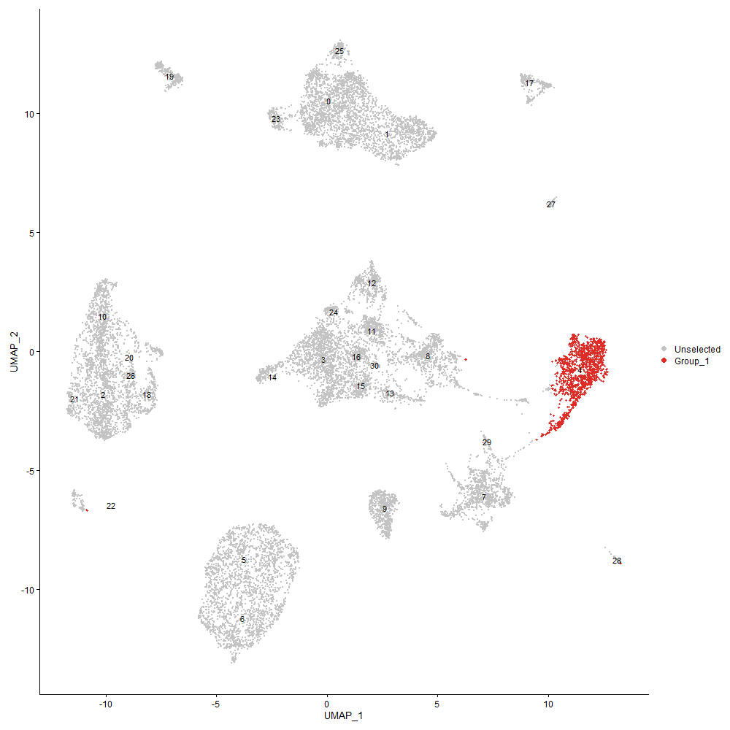
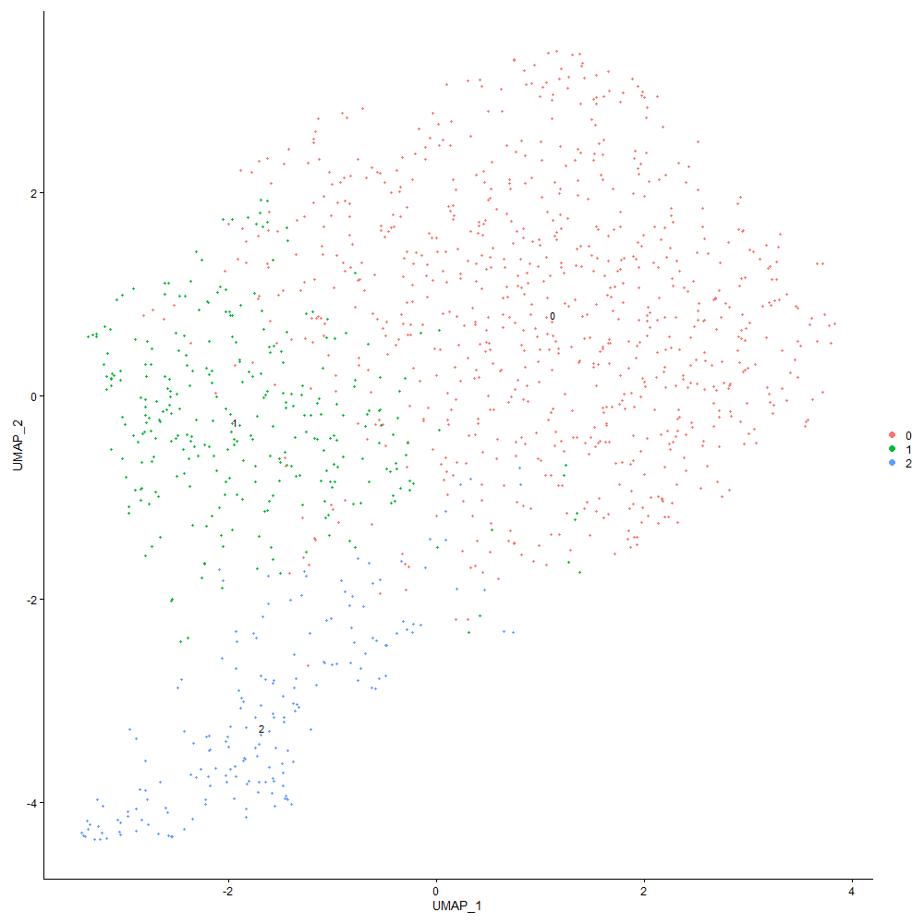
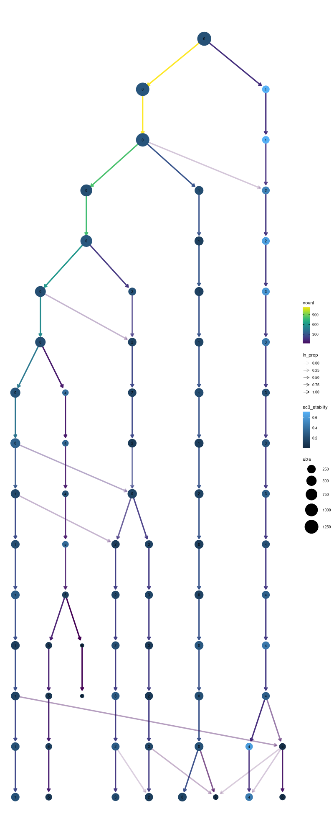

Cluster0
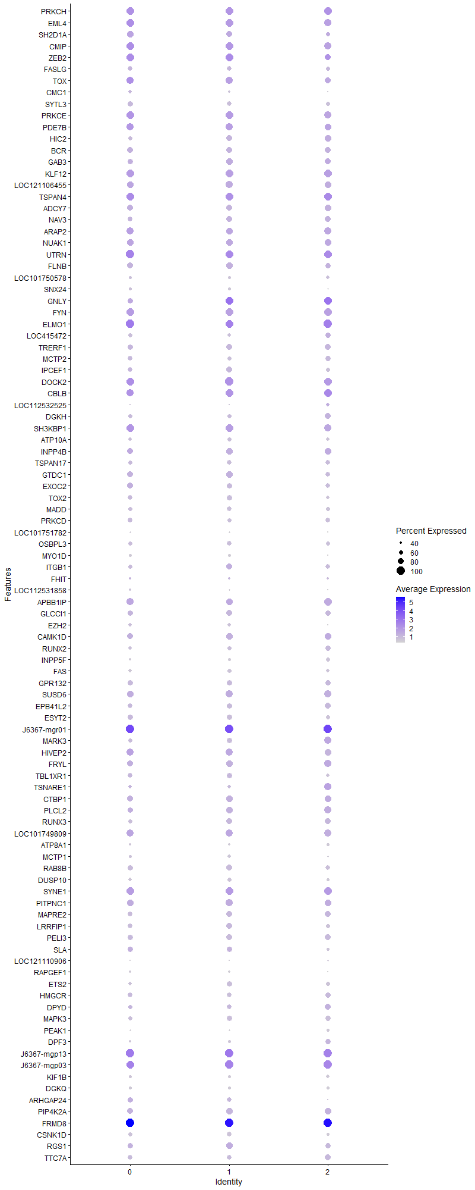
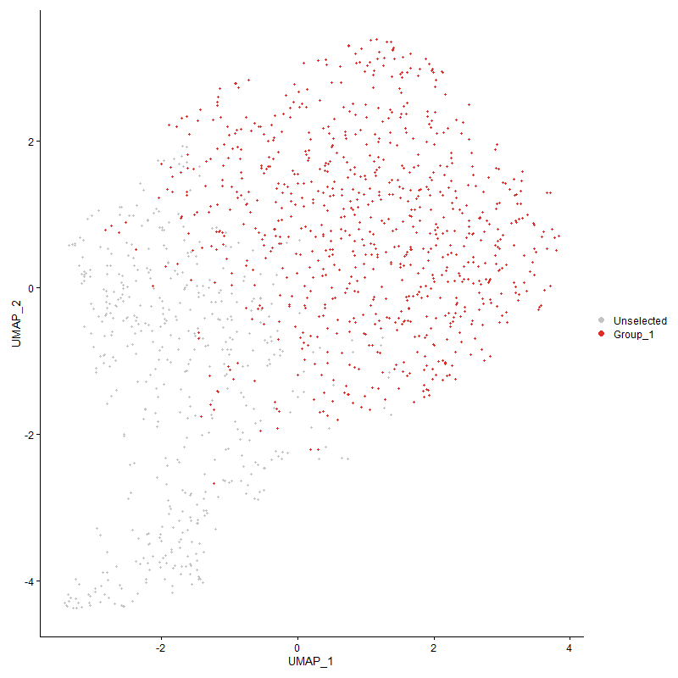
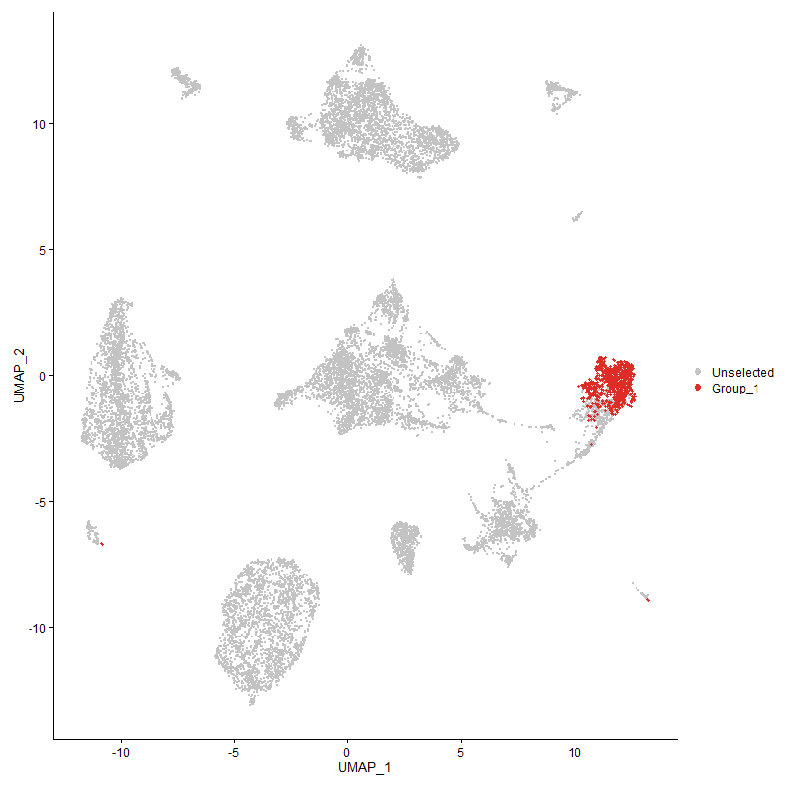
 | p_val | avg_log2FC | pct.1 | pct.2 | p_val_adj | cluster | gene
PRKCH | 0 | 2.4058436658 | 0.966 | 0.218 | 0 | 0 | PRKCH
EML4 | 0 | 2.2406600347 | 0.962 | 0.371 | 0 | 0 | EML4
SH2D1A | 0 | 1.9496118376 | 0.838 | 0.153 | 0 | 0 | SH2D1A
CMIP | 0 | 1.799462669 | 0.989 | 0.649 | 0 | 0 | CMIP
ZEB2 | 0 | 1.5703499732 | 0.938 | 0.264 | 0 | 0 | ZEB2
FASLG | 0 | 1.504449676 | 0.634 | 0.036 | 0 | 0 | FASLG
TOX | 6.0214191623E-224 | 1.3826325038 | 0.938 | 0.502 | 9.1953092028E-220 | 0 | TOX
CMC1 | 0 | 1.3729237303 | 0.542 | 0.071 | 0 | 0 | CMC1
SYTL3 | 0 | 1.3701951935 | 0.71 | 0.051 | 0 | 0 | SYTL3
PRKCE | 9.3516555265E-236 | 1.3491394324 | 0.944 | 0.554 | 1.4280913155E-231 | 0 | PRKCE
PDE7B | 5.9196807741E-209 | 1.3206269042 | 0.887 | 0.427 | 9.0399445101E-205 | 0 | PDE7B
HIC2 | 0 | 1.2798737373 | 0.613 | 0.054 | 0 | 0 | HIC2
BCR | 6.7744504138E-308 | 1.2684661867 | 0.79 | 0.255 | 1.0345263227E-303 | 0 | BCR
GAB3 | 1.1454795821E-248 | 1.2630799688 | 0.707 | 0.229 | 1.7492618698E-244 | 0 | GAB3
KLF12 | 3.1694304756E-233 | 1.234467275 | 0.947 | 0.536 | 4.8400372793E-229 | 0 | KLF12
LOC121106455 | 1.9695463677E-220 | 1.2333023247 | 0.864 | 0.417 | 3.0076942582E-216 | 0 | LOC121106455
TSPAN4 | 5.0070416589E-227 | 1.2107052372 | 0.985 | 0.775 | 7.6462533173E-223 | 0 | TSPAN4
ADCY7 | 2.0337197973E-237 | 1.1870739287 | 0.804 | 0.356 | 3.1056935025E-233 | 0 | ADCY7
NAV3 | 1.9003948535E-274 | 1.18253433 | 0.684 | 0.192 | 2.9020929808E-270 | 0 | NAV3
ARAP2 | 2.4755854743E-184 | 1.1662343574 | 0.895 | 0.543 | 3.7804665778E-180 | 0 | ARAP2
NUAK1 | 2.7046229401E-149 | 1.1597767051 | 0.832 | 0.544 | 4.1302296918E-145 | 0 | NUAK1
UTRN | 6.6534639303E-252 | 1.1194274154 | 1 | 0.916 | 1.0160504768E-247 | 0 | UTRN
FLNB | 7.3007611286E-253 | 1.1181603036 | 0.79 | 0.31 | 1.1148992319E-248 | 0 | FLNB
LOC101750578 | 0 | 1.1043157757 | 0.46 | 0.039 | 0 | 0 | LOC101750578
SNX24 | 0 | 1.0874232818 | 0.491 | 0.038 | 0 | 0 | SNX24
GNLY | 0 | 1.0708430822 | 0.737 | 0.125 | 0 | 0 | GNLY
FYN | 1.4740109456E-167 | 1.0291374497 | 0.946 | 0.692 | 2.2509621151E-163 | 0 | FYN
ELMO1 | 1.1663817526E-216 | 1.0170098048 | 1 | 0.913 | 1.7811815743E-212 | 0 | ELMO1
LOC415472 | 0 | 1.0016591206 | 0.574 | 0.115 | 0 | 0 | LOC415472
TRERF1 | 1.750980903E-171 | 0.99277562829 | 0.695 | 0.294 | 2.673922937E-167 | 0 | TRERF1
MCTP2 | 1.8273325536E-218 | 0.99276300306 | 0.641 | 0.202 | 2.7905195427E-214 | 0 | MCTP2
IPCEF1 | 2.3510820261E-190 | 0.99137584208 | 0.68 | 0.252 | 3.5903373621E-186 | 0 | IPCEF1
DOCK2 | 4.4734851715E-186 | 0.97601806183 | 0.991 | 0.876 | 6.8314592054E-182 | 0 | DOCK2
CBLB | 3.9448939144E-117 | 0.96560309246 | 0.912 | 0.664 | 6.0242474967E-113 | 0 | CBLB
LOC112532525 | 0 | 0.95951084549 | 0.219 | 0.012 | 0 | 0 | LOC112532525
DGKH | 6.8564024275E-214 | 0.95541062721 | 0.593 | 0.169 | 1.0470412147E-209 | 0 | DGKH
SH3KBP1 | 3.8002238561E-135 | 0.94948265641 | 0.952 | 0.791 | 5.8033218506E-131 | 0 | SH3KBP1
ATP10A | 4.3776069613E-229 | 0.94829695647 | 0.566 | 0.151 | 6.6850435906E-225 | 0 | ATP10A
INPP4B | 2.4168253756E-175 | 0.94559676822 | 0.814 | 0.351 | 3.6907340311E-171 | 0 | INPP4B
TSPAN17 | 3.1208701313E-155 | 0.93990214473 | 0.577 | 0.204 | 4.7658807775E-151 | 0 | TSPAN17
GTDC1 | 1.9952254619E-151 | 0.88454609534 | 0.759 | 0.35 | 3.0469088029E-147 | 0 | GTDC1
EXOC2 | 7.3907576929E-124 | 0.87510229905 | 0.784 | 0.461 | 1.1286426073E-119 | 0 | EXOC2
TOX2 | 3.0994900989E-147 | 0.83825293548 | 0.659 | 0.269 | 4.7332313301E-143 | 0 | TOX2
MADD | 6.7638305272E-128 | 0.77770744733 | 0.616 | 0.263 | 1.0329045598E-123 | 0 | MADD
PRKCD | 7.9068118912E-101 | 0.77620854309 | 0.641 | 0.333 | 1.2074492439E-96 | 0 | PRKCD
LOC101751782 | 0 | 0.77031126456 | 0.347 | 0.023 | 0 | 0 | LOC101751782
OSBPL3 | 7.8950998062E-110 | 0.75615892263 | 0.574 | 0.25 | 1.2056606914E-105 | 0 | OSBPL3
MYO1D | 0 | 0.74814651931 | 0.458 | 0.029 | 0 | 0 | MYO1D
ITGB1 | 6.7762186183E-100 | 0.74774543292 | 0.63 | 0.323 | 1.0347963452E-95 | 0 | ITGB1
FHIT | 2.7101687273E-40 | 0.74646984996 | 0.412 | 0.226 | 4.1386986634E-36 | 0 | FHIT
LOC112531858 | 2.5802741556E-159 | 0.73731997578 | 0.445 | 0.121 | 3.940336663E-155 | 0 | LOC112531858
APBB1IP | 7.7597394681E-91 | 0.73436738775 | 0.873 | 0.646 | 1.1849898142E-86 | 0 | APBB1IP
GLCCI1 | 2.2328743237E-94 | 0.73036621525 | 0.729 | 0.418 | 3.4098223797E-90 | 0 | GLCCI1
EZH2 | 2.2599043467E-101 | 0.72998019607 | 0.52 | 0.216 | 3.4510999278E-97 | 0 | EZH2
CAMK1D | 1.5404930066E-87 | 0.72445151724 | 0.761 | 0.456 | 2.3524868703E-83 | 0 | CAMK1D
RUNX2 | 1.1145597939E-125 | 0.71994963643 | 0.528 | 0.191 | 1.7020442613E-121 | 0 | RUNX2
INPP5F | 6.1475274863E-288 | 0.71909510503 | 0.444 | 0.074 | 9.3878892243E-284 | 0 | INPP5F
FAS | 5.1396271933E-306 | 0.70691400649 | 0.521 | 0.095 | 7.8487246869E-302 | 0 | FAS
GPR132 | 2.5197231733E-110 | 0.70547089598 | 0.699 | 0.346 | 3.8478692579E-106 | 0 | GPR132
SUSD6 | 6.5592110579E-78 | 0.69866097765 | 0.821 | 0.635 | 1.0016571207E-73 | 0 | SUSD6
EPB41L2 | 1.1096076251E-91 | 0.69554540259 | 0.674 | 0.36 | 1.6944818042E-87 | 0 | EPB41L2
ESYT2 | 5.9735329218E-104 | 0.69171959102 | 0.722 | 0.412 | 9.1221821249E-100 | 0 | ESYT2
J6367-mgr01 | 7.8231726091E-120 | 0.68468017381 | 1 | 0.999 | 1.1946766891E-115 | 0 | J6367-mgr01
MARK3 | 5.2219429741E-84 | 0.68329125123 | 0.616 | 0.341 | 7.9744291157E-80 | 0 | MARK3
HIVEP2 | 4.8489687498E-74 | 0.67238787096 | 0.89 | 0.714 | 7.4048601778E-70 | 0 | HIVEP2
FRYL | 9.7407415823E-75 | 0.66158913205 | 0.809 | 0.563 | 1.487508647E-70 | 0 | FRYL
TBL1XR1 | 8.2766722005E-62 | 0.66127708024 | 0.685 | 0.462 | 1.2639306117E-57 | 0 | TBL1XR1
TSNARE1 | 2.1950796854E-41 | 0.65797074175 | 0.554 | 0.358 | 3.3521061875E-37 | 0 | TSNARE1
CTBP1 | 1.9334323919E-79 | 0.64261557711 | 0.8 | 0.544 | 2.9525446056E-75 | 0 | CTBP1
PLCL2 | 1.45202611E-56 | 0.64132428464 | 0.745 | 0.527 | 2.2173890726E-52 | 0 | PLCL2
RUNX3 | 1.2642743957E-85 | 0.63868448104 | 0.624 | 0.327 | 1.9306734297E-81 | 0 | RUNX3
LOC101749809 | 3.191230522E-87 | 0.63454851657 | 0.882 | 0.541 | 4.8733281302E-83 | 0 | LOC101749809
ATP8A1 | 2.407179779E-83 | 0.62344165837 | 0.433 | 0.174 | 3.6760042405E-79 | 0 | ATP8A1
MCTP1 | 1.8243557909E-99 | 0.62317096856 | 0.499 | 0.196 | 2.7859737283E-95 | 0 | MCTP1
RAB8B | 7.9207855916E-85 | 0.62125195698 | 0.714 | 0.443 | 1.2095831677E-80 | 0 | RAB8B
DUSP10 | 1.2538222754E-107 | 0.62063973433 | 0.512 | 0.205 | 1.9147119967E-103 | 0 | DUSP10
SYNE1 | 2.4103098249E-83 | 0.61772384899 | 0.949 | 0.76 | 3.6807841336E-79 | 0 | SYNE1
PITPNC1 | 3.1222329751E-62 | 0.61569441866 | 0.811 | 0.627 | 4.7679619762E-58 | 0 | PITPNC1
MAPRE2 | 1.1953781421E-71 | 0.61564787219 | 0.664 | 0.403 | 1.8254619608E-67 | 0 | MAPRE2
LRRFIP1 | 1.8999150638E-80 | 0.61357966028 | 0.678 | 0.385 | 2.9013602939E-76 | 0 | LRRFIP1
PELI3 | 8.4207922726E-73 | 0.61111653487 | 0.706 | 0.443 | 1.285939188E-68 | 0 | PELI3
SLA | 5.9826401674E-60 | 0.61017092088 | 0.716 | 0.478 | 9.1360897996E-56 | 0 | SLA
LOC121110906 | 4.0943980906E-159 | 0.59986329994 | 0.266 | 0.045 | 6.2525553241E-155 | 0 | LOC121110906
RAPGEF1 | 6.3587766748E-136 | 0.59871909619 | 0.441 | 0.138 | 9.7104878601E-132 | 0 | RAPGEF1
ETS2 | 1.7098746192E-77 | 0.59863795682 | 0.545 | 0.276 | 2.6111495309E-73 | 0 | ETS2
HMGCR | 6.0083859206E-53 | 0.5874591565 | 0.646 | 0.407 | 9.1754061394E-49 | 0 | HMGCR
DPYD | 4.7031265926E-51 | 0.57814814236 | 0.629 | 0.391 | 7.1821446195E-47 | 0 | DPYD
MAPK3 | 8.8717084574E-55 | 0.57481222452 | 0.623 | 0.403 | 1.3547985985E-50 | 0 | MAPK3
PEAK1 | 9.1956709867E-177 | 0.57003852097 | 0.328 | 0.063 | 1.4042709164E-172 | 0 | PEAK1
DPF3 | 1.2890699268E-66 | 0.56994004602 | 0.396 | 0.166 | 1.9685386852E-62 | 0 | DPF3
J6367-mgp13 | 4.2094798203E-84 | 0.56831385811 | 1 | 0.996 | 6.4282966336E-80 | 0 | J6367-mgp13
J6367-mgp03 | 2.8174751135E-97 | 0.56218633461 | 0.999 | 0.988 | 4.3025662458E-93 | 0 | J6367-mgp03
KIF1B | 1.86894637E-72 | 0.559594168 | 0.498 | 0.239 | 2.8540680016E-68 | 0 | KIF1B
DGKQ | 5.4508972218E-133 | 0.5556047751 | 0.48 | 0.154 | 8.3240651474E-129 | 0 | DGKQ
ARHGAP24 | 7.2533809774E-127 | 0.54962374559 | 0.729 | 0.281 | 1.1076638091E-122 | 0 | ARHGAP24
PIP4K2A | 7.9273418019E-58 | 0.54180431704 | 0.788 | 0.588 | 1.2105843666E-53 | 0 | PIP4K2A
FRMD8 | 1.4964371599E-139 | 0.54178641229 | 1 | 1 | 2.2852091868E-135 | 0 | FRMD8
CSNK1D | 7.8312811914E-60 | 0.54012368812 | 0.57 | 0.335 | 1.1959149507E-55 | 0 | CSNK1D
RGS1 | 7.8461801929E-32 | 0.5400485902 | 0.723 | 0.595 | 1.1981901773E-27 | 0 | RGS1
TTC7A | 1.21145714E-60 | 0.53920370318 | 0.648 | 0.377 | 1.8500161985E-56 | 0 | TTC7A
IL18RAP | 0 | 0.53818741236 | 0.26 | 0.021 | 0 | 0 | IL18RAP
RAB2A | 1.2386823782E-53 | 0.53066985354 | 0.755 | 0.533 | 1.8915918598E-49 | 0 | RAB2A
IL16 | 7.511495621E-94 | 0.5303002874 | 0.539 | 0.242 | 1.1470804963E-89 | 0 | IL16
SPATA13 | 0 | 0.52262795177 | 0.293 | 0.023 | 0 | 0 | SPATA13
GZMM | 3.4356616821E-298 | 0.52175364621 | 0.355 | 0.044 | 5.2465989548E-294 | 0 | GZMM
IL18 | 1.8157728552E-62 | 0.5170235045 | 0.326 | 0.127 | 2.7728667272E-58 | 0 | IL18
B3GNT5 | 9.9508679926E-260 | 0.51004099059 | 0.33 | 0.044 | 1.5195970512E-255 | 0 | B3GNT5
ITGAD | 2.3541431658E-96 | 0.50608686321 | 0.48 | 0.187 | 3.5950120285E-92 | 0 | ITGAD
KIF13B | 1.3438495377E-86 | 0.5052988238 | 0.4 | 0.149 | 2.0521926291E-82 | 0 | KIF13B
J6367-mgp02 | 8.8386950155E-67 | 0.50299326914 | 1 | 0.995 | 1.3497571158E-62 | 0 | J6367-mgp02
HDAC4 | 5.8099457327E-46 | 0.49808640104 | 0.397 | 0.204 | 8.8723681283E-42 | 0 | HDAC4
AKAP13 | 1.3084495713E-56 | 0.49703593134 | 0.957 | 0.913 | 1.9981333404E-52 | 0 | AKAP13
DGKI | 4.1568737206E-285 | 0.49687002387 | 0.234 | 0.018 | 6.3479618588E-281 | 0 | DGKI
BCL2A1 | 6.6827835575E-206 | 0.49576978129 | 0.31 | 0.049 | 1.0205278771E-201 | 0 | BCL2A1
SLC38A6 | 5.4677948308E-69 | 0.48871702696 | 0.565 | 0.284 | 8.3498694862E-65 | 0 | SLC38A6
LRBA | 2.0136796403E-49 | 0.48589338027 | 0.924 | 0.787 | 3.0750901787E-45 | 0 | LRBA
J6367-mgp12 | 7.4602073288E-69 | 0.48515136026 | 0.987 | 0.971 | 1.1392482612E-64 | 0 | J6367-mgp12
IKZF3 | 1.8376274515E-61 | 0.47693192429 | 0.555 | 0.302 | 2.8062408812E-57 | 0 | IKZF3
FAM208A | 1.2327731855E-56 | 0.476878883 | 0.487 | 0.254 | 1.8825679316E-52 | 0 | FAM208A
TTBK1 | 2.6309639296E-71 | 0.46628849371 | 0.39 | 0.157 | 4.0177450169E-67 | 0 | TTBK1
ANKIB1 | 1.2428716587E-70 | 0.46574825746 | 0.496 | 0.235 | 1.8979893099E-66 | 0 | ANKIB1
GSK3A | 5.3266028921E-47 | 0.46339527209 | 0.869 | 0.737 | 8.1342552765E-43 | 0 | GSK3A
SHOC2 | 2.9679791954E-69 | 0.46113931993 | 0.474 | 0.222 | 4.5324010293E-65 | 0 | SHOC2
PPP1R12A | 1.1014993861E-47 | 0.45823199693 | 0.92 | 0.812 | 1.6820997125E-43 | 0 | PPP1R12A
IL18R1 | 4.4667201494E-146 | 0.45560914874 | 0.328 | 0.073 | 6.8211283401E-142 | 0 | IL18R1
J6367-mgr02 | 6.6494861641E-54 | 0.45520435502 | 1 | 1 | 1.0154430321E-49 | 0 | J6367-mgr02
JAKMIP1 | 1.1766631716E-67 | 0.45184296614 | 0.336 | 0.127 | 1.7968823294E-63 | 0 | JAKMIP1
HPCAL1 | 9.2816162154E-49 | 0.45170940534 | 0.496 | 0.277 | 1.4173956122E-44 | 0 | HPCAL1
PSTPIP1 | 1.0254327942E-32 | 0.45091275511 | 0.643 | 0.473 | 1.56593842E-28 | 0 | PSTPIP1
NRIP1 | 1.0350232506E-24 | 0.44743744447 | 0.662 | 0.505 | 1.580584006E-20 | 0 | NRIP1
ARID4B | 1.4161523317E-30 | 0.44688754893 | 0.64 | 0.497 | 2.1626062257E-26 | 0 | ARID4B
UBR2 | 9.307950353E-50 | 0.44497969639 | 0.523 | 0.303 | 1.4214170984E-45 | 0 | UBR2
BRAF | 1.8082429259E-37 | 0.44134710449 | 0.699 | 0.531 | 2.7613677722E-33 | 0 | BRAF
DTNB | 1.9935773193E-47 | 0.44035994178 | 0.433 | 0.227 | 3.0443919243E-43 | 0 | DTNB
RASA3 | 2.0787867543E-36 | 0.43731720191 | 0.944 | 0.873 | 3.1745152525E-32 | 0 | RASA3
J6367-mgp11 | 3.2846803339E-72 | 0.43633463357 | 1 | 1 | 5.0160353378E-68 | 0 | J6367-mgp11
J6367-mgp04 | 2.8621773498E-57 | 0.43515391229 | 0.995 | 0.974 | 4.3708310308E-53 | 0 | J6367-mgp04
ITGB2 | 1.2233680642E-66 | 0.42918654513 | 0.487 | 0.236 | 1.8682053709E-62 | 0 | ITGB2
IMMP2L | 3.6080155674E-19 | 0.42907504157 | 0.414 | 0.275 | 5.5098005729E-15 | 0 | IMMP2L
TNIK | 2.7945160685E-42 | 0.42197916121 | 0.642 | 0.419 | 4.2675054882E-38 | 0 | TNIK
CCDC88B | 5.1575661087E-31 | 0.42163015965 | 0.637 | 0.477 | 7.8761192047E-27 | 0 | CCDC88B
LOC101750037 | 6.9098711251E-30 | 0.42074951307 | 0.496 | 0.336 | 1.0552064195E-25 | 0 | LOC101750037
LOC124417627 | 2.0081271133E-72 | 0.41790980046 | 0.344 | 0.127 | 3.0666109147E-68 | 0 | LOC124417627
B3GNT2 | 1.3502833627E-46 | 0.41656096212 | 0.469 | 0.259 | 2.0620177233E-42 | 0 | B3GNT2
TNFAIP3 | 5.5573314437E-36 | 0.41650660805 | 0.624 | 0.431 | 8.4866008476E-32 | 0 | TNFAIP3
PTP4A3 | 3.3835958474E-56 | 0.41571418783 | 0.467 | 0.235 | 5.1670892185E-52 | 0 | PTP4A3
DEPTOR | 1.3236798015E-264 | 0.41560245095 | 0.234 | 0.02 | 2.0213914248E-260 | 0 | DEPTOR
ACAP3 | 5.6859121109E-197 | 0.41294133381 | 0.273 | 0.039 | 8.6829563846E-193 | 0 | ACAP3
PREX1 | 1.1996549216E-48 | 0.41224123597 | 0.974 | 0.884 | 1.8319930308E-44 | 0 | PREX1
DOCK11 | 3.4740143515E-55 | 0.40783694002 | 0.516 | 0.283 | 5.3051673162E-51 | 0 | DOCK11
GMDS | 2.4844662023E-22 | 0.40659580894 | 0.518 | 0.364 | 3.7940283376E-18 | 0 | GMDS
IDE | 1.4275066189E-47 | 0.40591263721 | 0.414 | 0.211 | 2.1799453577E-43 | 0 | IDE
MARCH6 | 1.7214469597E-40 | 0.4033068215 | 0.502 | 0.306 | 2.6288216522E-36 | 0 | MARCH6
ADORA2A | 1.3158458164E-46 | 0.39990832745 | 0.365 | 0.173 | 2.0094281463E-42 | 0 | ADORA2A
RNF19A | 5.6205956951E-26 | 0.39948353652 | 0.656 | 0.511 | 8.5832116859E-22 | 0 | RNF19A
PTGER4 | 1.41710679E-103 | 0.39432922674 | 0.303 | 0.082 | 2.164063779E-99 | 0 | PTGER4
PTPN2 | 8.8644891386E-41 | 0.394262052 | 0.614 | 0.392 | 1.3536961364E-36 | 0 | PTPN2
SMARCA2 | 2.4399509663E-29 | 0.39097021919 | 0.586 | 0.43 | 3.7260491207E-25 | 0 | SMARCA2
MAN1A1 | 2.1551340427E-39 | 0.39035953003 | 0.958 | 0.878 | 3.2911051966E-35 | 0 | MAN1A1
PCNX2 | 2.8168809286E-34 | 0.39028423809 | 0.304 | 0.149 | 4.3016588661E-30 | 0 | PCNX2
CATSPER4 | 1.5769278704E-85 | 0.38963375899 | 0.348 | 0.117 | 2.4081265509E-81 | 0 | CATSPER4
NR1H3 | 3.6141005905E-40 | 0.38923707177 | 0.339 | 0.172 | 5.5190930118E-36 | 0 | NR1H3
UBASH3B | 1.3674794314E-54 | 0.38917538264 | 0.337 | 0.142 | 2.0882778398E-50 | 0 | UBASH3B
ST8SIA4 | 1.7459306805E-20 | 0.38883325332 | 0.532 | 0.387 | 2.6662107422E-16 | 0 | ST8SIA4
LOC107055472 | 8.8589269611E-42 | 0.3848145035 | 0.382 | 0.189 | 1.3528467362E-37 | 0 | LOC107055472
GNAI3 | 8.3034305948E-59 | 0.3834810132 | 0.42 | 0.193 | 1.2680168861E-54 | 0 | GNAI3
RGS17 | 1.9487105041E-31 | 0.38196170177 | 0.206 | 0.087 | 2.9758758109E-27 | 0 | RGS17
RAP1GAP2 | 4.0819081162E-114 | 0.38076006305 | 0.299 | 0.074 | 6.2334818842E-110 | 0 | RAP1GAP2
ARHGAP15 | 2.4735631702E-50 | 0.37981578484 | 1 | 0.982 | 3.7773783173E-46 | 0 | ARHGAP15
NFATC2 | 2.6583892966E-41 | 0.37596864369 | 0.474 | 0.267 | 4.0596262949E-37 | 0 | NFATC2
PLAGL1 | 2.5769214132E-40 | 0.37450039389 | 0.439 | 0.243 | 3.9352166902E-36 | 0 | PLAGL1
C10H15ORF48 | 1.1178107583E-55 | 0.37374205472 | 0.324 | 0.133 | 1.707008809E-51 | 0 | C10H15ORF48
CST7 | 3.6731428487E-213 | 0.367789421 | 0.278 | 0.037 | 5.6092564443E-209 | 0 | CST7
TAPT1 | 8.4895922116E-37 | 0.36623839095 | 0.423 | 0.24 | 1.2964456266E-32 | 0 | TAPT1
PPP3R1 | 6.9339152594E-53 | 0.36568762184 | 0.357 | 0.16 | 1.0588781993E-48 | 0 | PPP3R1
TNFRSF1B | 1.0528890257E-47 | 0.36442231438 | 0.337 | 0.152 | 1.6078668312E-43 | 0 | TNFRSF1B
IGF2R | 5.107735322E-35 | 0.36300693208 | 0.362 | 0.194 | 7.8000226102E-31 | 0 | IGF2R
ATP2B1 | 7.0058505787E-23 | 0.36271786932 | 0.665 | 0.526 | 1.0698634419E-18 | 0 | ATP2B1
IL2RB | 4.7350748948E-215 | 0.36153803436 | 0.221 | 0.023 | 7.2309328719E-211 | 0 | IL2RB
CD8A | 2.7951837412E-127 | 0.35670060928 | 0.287 | 0.063 | 4.2685250911E-123 | 0 | CD8A
RABGAP1L | 5.1217463308E-24 | 0.35629672834 | 0.65 | 0.513 | 7.8214188218E-20 | 0 | RABGAP1L
AP3B1 | 1.0582147238E-23 | 0.35448200408 | 0.453 | 0.309 | 1.6159997047E-19 | 0 | AP3B1
ARID1B | 3.3649426337E-27 | 0.35312619025 | 0.961 | 0.939 | 5.138603896E-23 | 0 | ARID1B
GAS7 | 1.4768860821E-22 | 0.35135556196 | 0.263 | 0.142 | 2.255352736E-18 | 0 | GAS7
MSRA | 7.2223980168E-15 | 0.35130642865 | 0.319 | 0.213 | 1.1029324011E-10 | 0 | MSRA
PCMTD1 | 1.0170195783E-24 | 0.34977597423 | 0.662 | 0.507 | 1.5530905981E-20 | 0 | PCMTD1
LMBRD1 | 3.3232679504E-36 | 0.34920607766 | 0.411 | 0.232 | 5.0749624871E-32 | 0 | LMBRD1
EIF2AK3 | 1.9411900191E-21 | 0.34781155137 | 0.538 | 0.39 | 2.9643912782E-17 | 0 | EIF2AK3
CDC73 | 9.5044886849E-30 | 0.34559423934 | 0.576 | 0.389 | 1.4514304671E-25 | 0 | CDC73
DIAPH2 | 8.7686460798E-27 | 0.34182783986 | 0.935 | 0.902 | 1.3390599428E-22 | 0 | DIAPH2
LRMDA | 0.00049560492363 | 0.33900543355 | 0.197 | 0.156 | 1 | 0 | LRMDA
FGD3 | 3.7432467348E-25 | 0.33883442265 | 0.597 | 0.453 | 5.7163120887E-21 | 0 | FGD3
CDKAL1 | 1.4406225522E-22 | 0.33832304873 | 0.762 | 0.625 | 2.1999746995E-18 | 0 | CDKAL1
LOC124417815 | 4.1891497124E-131 | 0.33803687412 | 0.229 | 0.04 | 6.3972505259E-127 | 0 | LOC124417815
ARID3B | 1.5417433157E-59 | 0.33751783034 | 0.317 | 0.124 | 2.3543962174E-55 | 0 | ARID3B
TMEM106B | 1.1420304544E-44 | 0.33746014811 | 0.395 | 0.199 | 1.7439947069E-40 | 0 | TMEM106B
NFKB1 | 5.5203709754E-21 | 0.33576837204 | 0.842 | 0.756 | 8.4301585165E-17 | 0 | NFKB1
TRIO | 2.2720187617E-26 | 0.33285639674 | 0.616 | 0.429 | 3.469599851E-22 | 0 | TRIO
ARHGAP6 | 2.1534070715E-15 | 0.33170360478 | 0.438 | 0.306 | 3.2884679388E-11 | 0 | ARHGAP6
PRKCQ | 1.6601115648E-29 | 0.32815197812 | 0.6 | 0.4 | 2.5351563706E-25 | 0 | PRKCQ
WASL | 1.8979879076E-80 | 0.3265942609 | 0.271 | 0.079 | 2.8984173337E-76 | 0 | WASL
ASAP1 | 5.8851297342E-26 | 0.32531459953 | 0.599 | 0.422 | 8.9871816171E-22 | 0 | ASAP1
MEF2D | 2.8609389419E-28 | 0.32468919555 | 0.531 | 0.359 | 4.3689398582E-24 | 0 | MEF2D
DISP1 | 8.0833336268E-34 | 0.32421275075 | 0.301 | 0.149 | 1.2344058781E-29 | 0 | DISP1
FAM49A | 2.9099382818E-16 | 0.3232494829 | 0.699 | 0.606 | 4.4437667501E-12 | 0 | FAM49A
DARS | 1.7746876887E-21 | 0.32304456519 | 0.406 | 0.271 | 2.7101255695E-17 | 0 | DARS
ARHGEF3 | 2.4376463204E-28 | 0.32300059301 | 0.835 | 0.642 | 3.7225296958E-24 | 0 | ARHGEF3
TRAPPC9 | 1.6383523393E-09 | 0.32187564063 | 0.505 | 0.416 | 2.5019278574E-05 | 0 | TRAPPC9
CD44 | 4.7733120196E-32 | 0.32167128827 | 1 | 0.971 | 7.2893247851E-28 | 0 | CD44
PRR5L | 2.6551152717E-72 | 0.32075840301 | 0.267 | 0.082 | 4.0546265314E-68 | 0 | PRR5L
EZR | 9.367067057E-33 | 0.31772436411 | 0.346 | 0.185 | 1.4304448103E-28 | 0 | EZR
GRAP2 | 9.2791688662E-30 | 0.31731711758 | 0.54 | 0.346 | 1.4170218776E-25 | 0 | GRAP2
TES | 1.9107029739E-33 | 0.31731281073 | 0.284 | 0.139 | 2.9178345114E-29 | 0 | TES
RSBN1L | 2.6034612578E-22 | 0.31516518616 | 0.457 | 0.318 | 3.9757456868E-18 | 0 | RSBN1L
SYNE3 | 4.5107237967E-31 | 0.3121368294 | 0.379 | 0.211 | 6.8883263099E-27 | 0 | SYNE3
ANKFN1L | 4.9506436077E-174 | 0.31111811827 | 0.216 | 0.027 | 7.5601278534E-170 | 0 | ANKFN1L
ZBTB38 | 2.902258079E-32 | 0.31031017784 | 0.256 | 0.119 | 4.4320383125E-28 | 0 | ZBTB38
C15ORF40 | 8.8106390134E-38 | 0.30908375643 | 0.277 | 0.127 | 1.3454726837E-33 | 0 | C15ORF40
SLC10A7 | 7.2986558497E-19 | 0.30702842196 | 0.477 | 0.341 | 1.1145777348E-14 | 0 | SLC10A7
FAM126A | 1.9056683659E-33 | 0.30666264756 | 0.271 | 0.129 | 2.9101461616E-29 | 0 | FAM126A
TSPAN14 | 8.7728162898E-29 | 0.30392877707 | 0.358 | 0.203 | 1.3396967756E-24 | 0 | TSPAN14
TNFSF13B | 2.6369714449E-43 | 0.30332959692 | 0.203 | 0.072 | 4.0269190936E-39 | 0 | TNFSF13B
PTPN4 | 1.0767923228E-15 | 0.30324313463 | 0.354 | 0.239 | 1.6443695562E-11 | 0 | PTPN4
LOC100859602 | 6.2473848806E-15 | 0.30135275861 | 0.838 | 0.774 | 9.5403814512E-11 | 0 | LOC100859602
IGF2BP3 | 3.9920662017E-21 | 0.3010666435 | 0.359 | 0.224 | 6.0962842966E-17 | 0 | IGF2BP3
PLEKHA1 | 8.2494789668E-42 | 0.30011701785 | 0.333 | 0.157 | 1.259777933E-37 | 0 | PLEKHA1
CDK6 | 5.4456586309E-17 | 0.29915246599 | 0.326 | 0.21 | 8.3160652953E-13 | 0 | CDK6
GNB4 | 3.8827346589E-18 | 0.29600603714 | 0.63 | 0.498 | 5.9293240976E-14 | 0 | GNB4
RAPGEF6 | 1.5061835216E-17 | 0.29595182958 | 0.618 | 0.496 | 2.3000928558E-13 | 0 | RAPGEF6
KSR1 | 1.0238477463E-36 | 0.29417080571 | 0.328 | 0.16 | 1.5635178934E-32 | 0 | KSR1
SNRK | 8.8085509197E-20 | 0.29261077373 | 0.484 | 0.342 | 1.345153811E-15 | 0 | SNRK
SLCO3A1 | 1.4323168278E-23 | 0.29039009687 | 0.484 | 0.317 | 2.1872910277E-19 | 0 | SLCO3A1
SCAF8 | 1.292395801E-14 | 0.28896039226 | 0.55 | 0.436 | 1.9736176277E-10 | 0 | SCAF8
JARID2 | 3.0158010399E-13 | 0.28842273039 | 0.836 | 0.792 | 4.605429768E-09 | 0 | JARID2
ESRRG | 1.5208364024E-13 | 0.28813849543 | 0.632 | 0.507 | 2.3224692702E-09 | 0 | ESRRG
USP3 | 6.8657073302E-21 | 0.28647646102 | 0.463 | 0.328 | 1.0484621664E-16 | 0 | USP3
HELZ | 7.9910303459E-15 | 0.28519285375 | 0.495 | 0.389 | 1.2203102441E-10 | 0 | HELZ
LPIN1 | 1.4341218154E-23 | 0.2840788194 | 0.312 | 0.18 | 2.1900474244E-19 | 0 | LPIN1
TPD52 | 4.3969451734E-31 | 0.28352028913 | 0.256 | 0.121 | 6.7145749743E-27 | 0 | TPD52
ITPKC | 6.2241706446E-33 | 0.28274572581 | 0.333 | 0.172 | 9.5049309913E-29 | 0 | ITPKC
SMC4 | 6.7797861823E-27 | 0.28138501468 | 0.424 | 0.26 | 1.0353411479E-22 | 0 | SMC4
MAP3K8 | 1.1628554496E-41 | 0.28113468414 | 0.252 | 0.104 | 1.7757965571E-37 | 0 | MAP3K8
FBXL22 | 9.6012511104E-28 | 0.28042893413 | 0.411 | 0.246 | 1.4662070571E-23 | 0 | FBXL22
RGS3 | 4.6806618862E-168 | 0.27941355172 | 0.178 | 0.019 | 7.1478387664E-164 | 0 | RGS3
DHRS3 | 2.4223478706E-48 | 0.2793564834 | 0.194 | 0.062 | 3.6991674332E-44 | 0 | DHRS3
PRDM1 | 5.7955686738E-54 | 0.27589022887 | 0.21 | 0.066 | 8.8504129217E-50 | 0 | PRDM1
ERN1 | 8.4787379166E-44 | 0.27577015541 | 0.232 | 0.087 | 1.2947880672E-39 | 0 | ERN1
USP47 | 1.1630939805E-22 | 0.27493253715 | 0.451 | 0.302 | 1.7761608176E-18 | 0 | USP47
CHD2 | 1.9481961493E-18 | 0.27490889556 | 0.64 | 0.507 | 2.9750903397E-14 | 0 | CHD2
VRK1 | 6.5594295431E-24 | 0.27279677661 | 0.275 | 0.15 | 1.0016904855E-19 | 0 | VRK1
LOC107053144 | 4.7277800454E-14 | 0.27188144222 | 0.343 | 0.239 | 7.2197929073E-10 | 0 | LOC107053144
KLC1 | 5.0923755413E-23 | 0.26988864088 | 0.419 | 0.268 | 7.7765666891E-19 | 0 | KLC1
LOC112532764 | 2.1757007203E-101 | 0.26908906526 | 0.221 | 0.046 | 3.3225125699E-97 | 0 | LOC112532764
BICD2 | 8.006732054E-15 | 0.26903765343 | 0.564 | 0.456 | 1.222708052E-10 | 0 | BICD2
GNB1 | 2.2297330633E-15 | 0.26851487171 | 0.438 | 0.321 | 3.405025361E-11 | 0 | GNB1
SCML2 | 1.4616207434E-108 | 0.26773120055 | 0.151 | 0.021 | 2.2320410372E-104 | 0 | SCML2
ELF1 | 3.9147351839E-17 | 0.26666819176 | 0.717 | 0.601 | 5.9781920994E-13 | 0 | ELF1
EXOC4 | 3.8752864708E-11 | 0.26653461509 | 0.795 | 0.739 | 5.9179499696E-07 | 0 | EXOC4
NCOA3 | 1.9660890225E-19 | 0.26648802668 | 0.625 | 0.466 | 3.0024145463E-15 | 0 | NCOA3
SLC7A6 | 7.935409073E-17 | 0.2662064171 | 0.472 | 0.35 | 1.2118163195E-12 | 0 | SLC7A6
RRBP1 | 6.0879372241E-117 | 0.26358468309 | 0.217 | 0.04 | 9.2968889349E-113 | 0 | RRBP1
LOC121106978 | 4.2787012743E-07 | 0.263107965 | 0.548 | 0.482 | 0.006534004716 | 0 | LOC121106978
KIAA1257 | 1.2492242546E-25 | 0.26256919031 | 0.195 | 0.088 | 1.9076903593E-21 | 0 | KIAA1257
INPPL1 | 2.3389570216E-114 | 0.25840741532 | 0.194 | 0.033 | 3.5718212677E-110 | 0 | INPPL1
LAMA3 | 6.6197327356E-167 | 0.25739899588 | 0.123 | 0.008 | 1.0108993861E-162 | 0 | LAMA3
GNAS | 1.2177037508E-14 | 0.25720515247 | 0.48 | 0.359 | 1.8595553979E-10 | 0 | GNAS
LOC121106981 | 1.3895973042E-06 | 0.25698426302 | 0.734 | 0.748 | 0.021220540433 | 0 | LOC121106981
ADAP1 | 2.7730664097E-72 | 0.25558299806 | 0.194 | 0.048 | 4.2347497142E-68 | 0 | ADAP1
PDE7A | 3.2771724785E-17 | 0.25508446567 | 0.402 | 0.276 | 5.0045700919E-13 | 0 | PDE7A
CNOT2 | 7.3194880731E-12 | 0.25365312133 | 0.51 | 0.416 | 1.1177590236E-07 | 0 | CNOT2
SCIN | 1.7673985797E-18 | 0.25200506993 | 0.305 | 0.185 | 2.698994371E-14 | 0 | SCIN
AKT1 | 9.2795810253E-24 | 0.25124117231 | 0.317 | 0.181 | 1.4170848184E-19 | 0 | AKT1
CRAMP1 | 3.7884123105E-20 | 0.25101400199 | 0.368 | 0.235 | 5.7852844394E-16 | 0 | CRAMP1

Cluster1
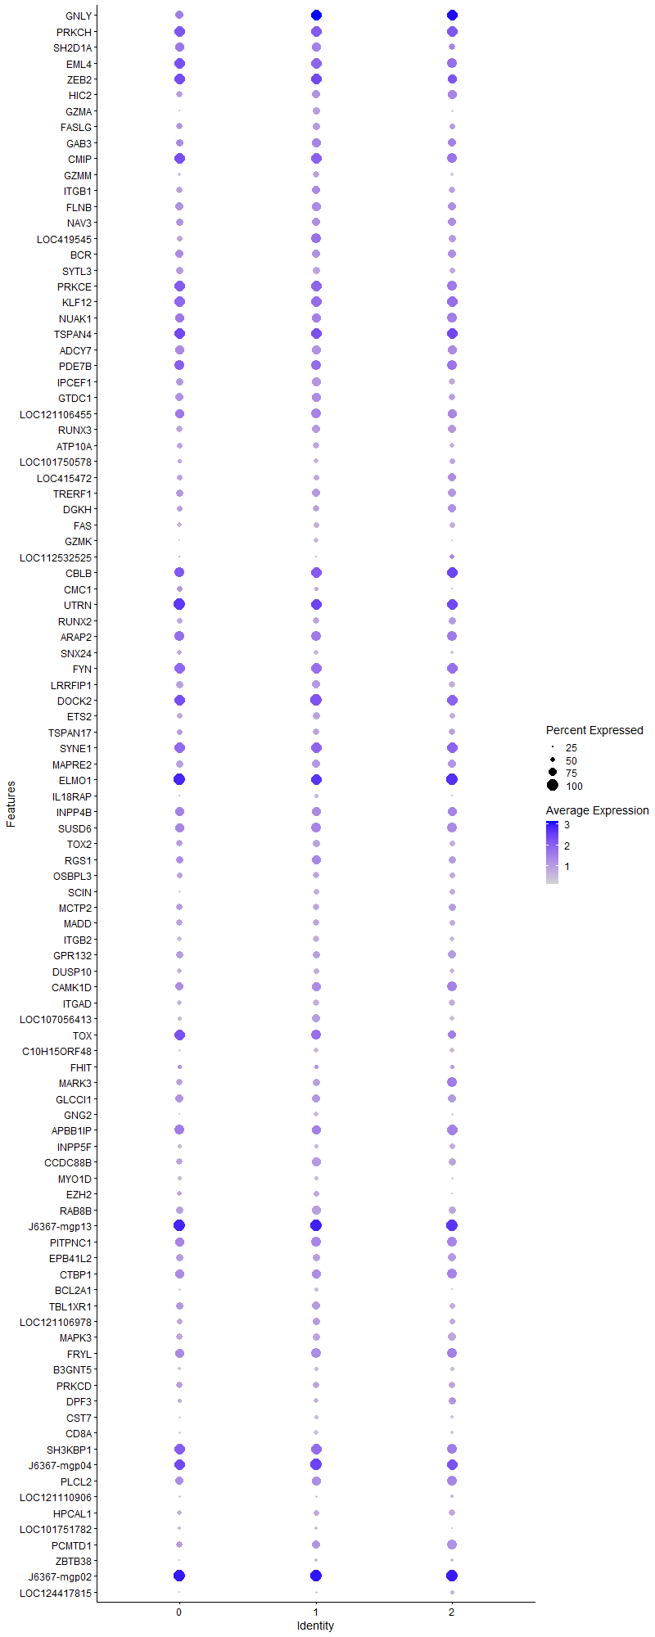
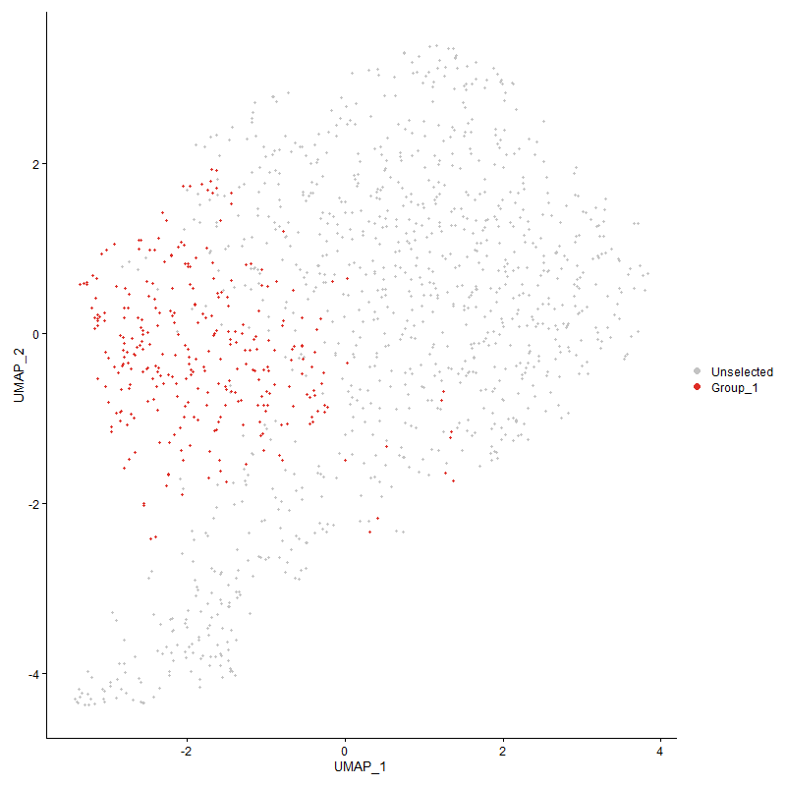
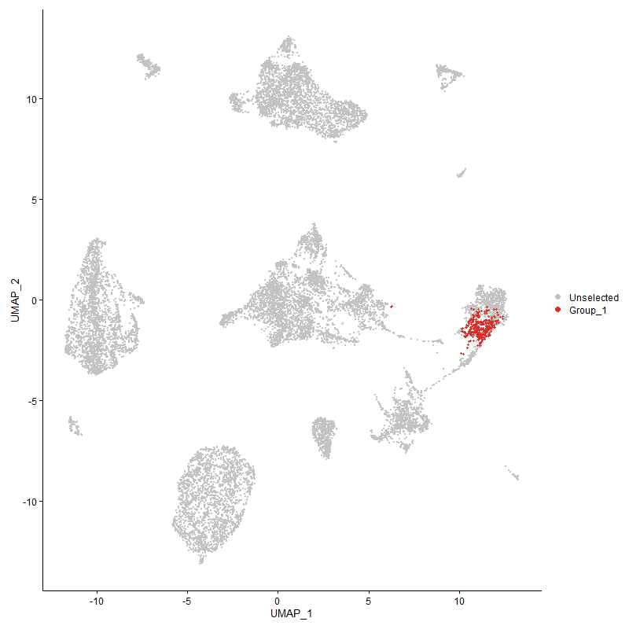
 | p_val | avg_log2FC | pct.1 | pct.2 | p_val_adj | cluster | gene
GNLY1 | 0 | 3.5436418864 | 0.99 | 0.139 | 0 | 1 | GNLY
PRKCH1 | 6.0526867989E-260 | 2.0597548314 | 0.997 | 0.241 | 9.2430580106E-256 | 1 | PRKCH
SH2D1A1 | 7.810443826E-202 | 1.5691744429 | 0.813 | 0.175 | 1.1927328767E-197 | 1 | SH2D1A
EML41 | 1.8722045515E-152 | 1.5588803704 | 0.987 | 0.389 | 2.8590435707E-148 | 1 | EML4
ZEB21 | 3.5101680438E-144 | 1.5556785694 | 0.967 | 0.285 | 5.3603776197E-140 | 1 | ZEB2
HIC21 | 0 | 1.4674826051 | 0.76 | 0.069 | 0 | 1 | HIC2
GZMA | 0 | 1.3753086097 | 0.68 | 0.024 | 0 | 1 | GZMA
FASLG1 | 0 | 1.3614069026 | 0.68 | 0.053 | 0 | 1 | FASLG
GAB31 | 4.9024371713E-148 | 1.3601444918 | 0.837 | 0.241 | 7.4865118043E-144 | 1 | GAB3
CMIP1 | 5.4662359136E-95 | 1.2806222382 | 0.953 | 0.66 | 8.3474888636E-91 | 1 | CMIP
GZMM1 | 0 | 1.2388980509 | 0.647 | 0.048 | 0 | 1 | GZMM
ITGB11 | 2.1499905019E-83 | 1.2334474194 | 0.763 | 0.33 | 3.2832504955E-79 | 1 | ITGB1
FLNB1 | 7.213542615E-109 | 1.2134283418 | 0.82 | 0.324 | 1.1015800927E-104 | 1 | FLNB
NAV31 | 1.2880256556E-137 | 1.1694174064 | 0.777 | 0.206 | 1.9669439786E-133 | 1 | NAV3
LOC419545 | 7.1878045905E-83 | 1.1505007073 | 0.907 | 0.513 | 1.097649639E-78 | 1 | LOC419545
BCR1 | 4.2796853261E-112 | 1.1182383213 | 0.797 | 0.272 | 6.5355074615E-108 | 1 | BCR
SYTL31 | 1.9590830239E-302 | 1.0767712416 | 0.67 | 0.072 | 2.9917156859E-298 | 1 | SYTL3
PRKCE1 | 1.6910692179E-66 | 1.0288520006 | 0.94 | 0.566 | 2.5824318026E-62 | 1 | PRKCE
KLF121 | 4.5235717858E-74 | 1.0274877465 | 0.957 | 0.549 | 6.9079464741E-70 | 1 | KLF12
NUAK11 | 6.0332711136E-48 | 0.94554567099 | 0.83 | 0.553 | 9.2134083177E-44 | 1 | NUAK1
TSPAN41 | 1.1015735289E-72 | 0.93329860591 | 0.99 | 0.782 | 1.682212936E-68 | 1 | TSPAN4
ADCY71 | 1.1368258435E-76 | 0.9257522752 | 0.807 | 0.369 | 1.7360467456E-72 | 1 | ADCY7
PDE7B1 | 1.2111778134E-60 | 0.92570512184 | 0.903 | 0.441 | 1.8495896389E-56 | 1 | PDE7B
IPCEF11 | 1.0568894571E-103 | 0.92440877319 | 0.81 | 0.263 | 1.6139758899E-99 | 1 | IPCEF1
GTDC11 | 9.2296616232E-70 | 0.91247698547 | 0.817 | 0.362 | 1.4094616265E-65 | 1 | GTDC1
LOC1211064551 | 5.2378516142E-67 | 0.89980578488 | 0.893 | 0.43 | 7.9987232001E-63 | 1 | LOC121106455
RUNX31 | 6.25906847E-75 | 0.89015521209 | 0.783 | 0.333 | 9.5582234605E-71 | 1 | RUNX3
ATP10A1 | 4.6431316763E-103 | 0.87611450339 | 0.63 | 0.163 | 7.0905263829E-99 | 1 | ATP10A
LOC1017505781 | 2.3070266388E-235 | 0.86980220031 | 0.503 | 0.051 | 3.5230603801E-231 | 1 | LOC101750578
LOC4154721 | 6.8720014316E-110 | 0.86713408387 | 0.567 | 0.13 | 1.0494233386E-105 | 1 | LOC415472
TRERF11 | 6.1821614625E-76 | 0.86632920704 | 0.753 | 0.305 | 9.4407787694E-72 | 1 | TRERF1
DGKH1 | 9.8525592826E-84 | 0.86280153728 | 0.613 | 0.181 | 1.504584328E-79 | 1 | DGKH
FAS1 | 1.2791786979E-157 | 0.85895155003 | 0.593 | 0.107 | 1.9534337896E-153 | 1 | FAS
GZMK | 0 | 0.85160009984 | 0.52 | 0.016 | 0 | 1 | GZMK
LOC1125325251 | 3.6955599364E-137 | 0.84998858555 | 0.23 | 0.018 | 5.6434895788E-133 | 1 | LOC112532525
CBLB1 | 8.1100320523E-48 | 0.84329128256 | 0.957 | 0.671 | 1.2384829947E-43 | 1 | CBLB
CMC11 | 9.7933364726E-94 | 0.83296424907 | 0.433 | 0.088 | 1.4955404127E-89 | 1 | CMC1
UTRN1 | 1.326132398E-71 | 0.83287992429 | 0.993 | 0.919 | 2.025136785E-67 | 1 | UTRN
RUNX21 | 1.8588212555E-71 | 0.80986338127 | 0.607 | 0.2 | 2.8386059393E-67 | 1 | RUNX2
ARAP21 | 3.0534051528E-42 | 0.80280422518 | 0.87 | 0.555 | 4.6628550088E-38 | 1 | ARAP2
SNX241 | 5.7810571087E-196 | 0.7979144065 | 0.463 | 0.052 | 8.8282523107E-192 | 1 | SNX24
FYN1 | 4.1729733958E-51 | 0.79517773295 | 0.943 | 0.7 | 6.3725476728E-47 | 1 | FYN
LRRFIP11 | 4.9134335324E-54 | 0.78651955367 | 0.77 | 0.393 | 7.5033043473E-50 | 1 | LRRFIP1
DOCK21 | 5.4690186847E-54 | 0.77208386988 | 1 | 0.879 | 8.3517384333E-50 | 1 | DOCK2
ETS21 | 1.4539114138E-64 | 0.76206116206 | 0.7 | 0.281 | 2.22026812E-60 | 1 | ETS2
TSPAN171 | 1.1395175301E-65 | 0.75148361653 | 0.63 | 0.214 | 1.7401572203E-61 | 1 | TSPAN17
SYNE11 | 6.7535189535E-50 | 0.72993913277 | 0.987 | 0.765 | 1.0313298794E-45 | 1 | SYNE1
MAPRE21 | 7.5690861956E-49 | 0.72193674391 | 0.78 | 0.409 | 1.1558751529E-44 | 1 | MAPRE2
ELMO11 | 1.3581181022E-53 | 0.71719488474 | 0.993 | 0.916 | 2.0739821539E-49 | 1 | ELMO1
IL18RAP1 | 1.1669774663E-300 | 0.70607227792 | 0.407 | 0.026 | 1.7820912889E-296 | 1 | IL18RAP
INPP4B1 | 1.5388688384E-55 | 0.7031987802 | 0.823 | 0.366 | 2.350006603E-51 | 1 | INPP4B
SUSD61 | 1.7361933386E-38 | 0.69998851691 | 0.907 | 0.639 | 2.6513408473E-34 | 1 | SUSD6
TOX21 | 9.5647415406E-63 | 0.69431962861 | 0.717 | 0.281 | 1.4606316807E-58 | 1 | TOX2
RGS11 | 1.3270404313E-31 | 0.69196331759 | 0.803 | 0.598 | 2.0265234426E-27 | 1 | RGS1
OSBPL31 | 1.7836555566E-54 | 0.69035472496 | 0.647 | 0.259 | 2.7238204004E-50 | 1 | OSBPL3
SCIN1 | 3.0148963248E-76 | 0.68505063368 | 0.593 | 0.183 | 4.6040481777E-72 | 1 | SCIN
MCTP21 | 1.1776744689E-63 | 0.67883759728 | 0.623 | 0.216 | 1.7984266814E-59 | 1 | MCTP2
MADD1 | 5.4015099321E-53 | 0.67751106253 | 0.647 | 0.273 | 8.2486458172E-49 | 1 | MADD
ITGB21 | 3.2732277165E-69 | 0.67266530467 | 0.653 | 0.24 | 4.9985460459E-65 | 1 | ITGB2
GPR1321 | 1.9702313188E-41 | 0.67265264584 | 0.7 | 0.357 | 3.008740247E-37 | 1 | GPR132
DUSP101 | 1.3790984433E-58 | 0.66972541491 | 0.583 | 0.213 | 2.1060212328E-54 | 1 | DUSP10
CAMK1D1 | 8.9371735739E-38 | 0.66330645768 | 0.8 | 0.465 | 1.3647957765E-33 | 1 | CAMK1D
ITGAD1 | 4.9174229803E-76 | 0.65872546002 | 0.62 | 0.194 | 7.5093966332E-72 | 1 | ITGAD
LOC107056413 | 1.9261192316E-47 | 0.65792156069 | 0.78 | 0.411 | 2.9413766786E-43 | 1 | LOC107056413
TOX1 | 1.0620486508E-38 | 0.6477583907 | 0.89 | 0.517 | 1.6218544947E-34 | 1 | TOX
C10H15ORF481 | 6.0204726391E-83 | 0.63708725054 | 0.517 | 0.136 | 9.1938637671E-79 | 1 | C10H15ORF48
FHIT1 | 3.942092824E-18 | 0.63579823099 | 0.437 | 0.231 | 6.0199699515E-14 | 1 | FHIT
MARK31 | 4.8138618012E-39 | 0.63311967456 | 0.693 | 0.348 | 7.3512483566E-35 | 1 | MARK3
GLCCI11 | 1.5203324609E-38 | 0.63237948482 | 0.763 | 0.427 | 2.3216997011E-34 | 1 | GLCCI1
GNG2 | 7.3997480816E-112 | 0.63190144112 | 0.5 | 0.102 | 1.1300155295E-107 | 1 | GNG2
APBB1IP1 | 1.2606573146E-28 | 0.62922654404 | 0.853 | 0.653 | 1.9251497852E-24 | 1 | APBB1IP
INPP5F1 | 3.3318628324E-109 | 0.62789095302 | 0.457 | 0.085 | 5.0880877314E-105 | 1 | INPP5F
CCDC88B1 | 7.1716418958E-41 | 0.62727151762 | 0.8 | 0.479 | 1.0951814339E-36 | 1 | CCDC88B
MYO1D1 | 3.7517302642E-225 | 0.62597321758 | 0.447 | 0.042 | 5.7292672865E-221 | 1 | MYO1D
EZH21 | 4.3769441961E-36 | 0.61779551789 | 0.53 | 0.226 | 6.6840314818E-32 | 1 | EZH2
RAB8B1 | 2.9919764743E-44 | 0.6133305474 | 0.797 | 0.45 | 4.5690472739E-40 | 1 | RAB8B
J6367-mgp131 | 1.4139653166E-47 | 0.61096224174 | 1 | 0.996 | 2.159266435E-43 | 1 | J6367-mgp13
PITPNC11 | 8.5481127279E-30 | 0.58533271224 | 0.877 | 0.631 | 1.3053822947E-25 | 1 | PITPNC1
EPB41L21 | 3.5828043015E-35 | 0.58526063589 | 0.693 | 0.369 | 5.4713004488E-31 | 1 | EPB41L2
CTBP11 | 1.5006675311E-32 | 0.5814142189 | 0.833 | 0.551 | 2.2916693867E-28 | 1 | CTBP1
BCL2A11 | 1.9641864589E-141 | 0.56983801875 | 0.407 | 0.055 | 2.9995091413E-137 | 1 | BCL2A1
TBL1XR11 | 5.2596920861E-27 | 0.56553145176 | 0.743 | 0.468 | 8.0320757847E-23 | 1 | TBL1XR1
LOC1211069781 | 4.3974351561E-21 | 0.56482996707 | 0.703 | 0.481 | 6.7153232269E-17 | 1 | LOC121106978
MAPK31 | 2.7499606855E-32 | 0.56370605905 | 0.717 | 0.408 | 4.1994649628E-28 | 1 | MAPK3
FRYL1 | 2.3316164281E-33 | 0.5612831883 | 0.863 | 0.569 | 3.5606114473E-29 | 1 | FRYL
B3GNT51 | 1.6084654135E-160 | 0.55942013673 | 0.417 | 0.051 | 2.4562875329E-156 | 1 | B3GNT5
PRKCD1 | 2.7154696281E-29 | 0.55843166891 | 0.623 | 0.343 | 4.146793669E-25 | 1 | PRKCD
DPF31 | 2.5464821544E-43 | 0.55425803068 | 0.48 | 0.171 | 3.8887328979E-39 | 1 | DPF3
CST71 | 1.8865286152E-176 | 0.55217919909 | 0.397 | 0.043 | 2.8809178483E-172 | 1 | CST7
CD8A1 | 2.5690571848E-154 | 0.55202766652 | 0.47 | 0.066 | 3.9232072269E-150 | 1 | CD8A
SH3KBP11 | 2.0368024255E-29 | 0.55042621487 | 0.96 | 0.796 | 3.110400984E-25 | 1 | SH3KBP1
J6367-mgp041 | 5.6563374622E-38 | 0.54826746652 | 1 | 0.975 | 8.6377929385E-34 | 1 | J6367-mgp04
PLCL21 | 1.9369394105E-32 | 0.547170719 | 0.843 | 0.532 | 2.9579001738E-28 | 1 | PLCL2
LOC1211109061 | 3.3228460902E-59 | 0.54620673928 | 0.27 | 0.052 | 5.0743182643E-55 | 1 | LOC121110906
HPCAL11 | 3.472423197E-29 | 0.54027569654 | 0.553 | 0.283 | 5.3027374642E-25 | 1 | HPCAL1
LOC1017517821 | 2.3322884375E-182 | 0.53717959277 | 0.357 | 0.033 | 3.5616376729E-178 | 1 | LOC101751782
PCMTD11 | 7.5059946421E-23 | 0.5341183464 | 0.75 | 0.51 | 1.1462404418E-18 | 1 | PCMTD1
ZBTB381 | 2.588329382E-47 | 0.53402562457 | 0.393 | 0.121 | 3.9526377992E-43 | 1 | ZBTB38
J6367-mgp021 | 3.5131670446E-33 | 0.530551882 | 1 | 0.995 | 5.3649573938E-29 | 1 | J6367-mgp02
LOC1244178151 | 1.8128522273E-109 | 0.52686482641 | 0.323 | 0.044 | 2.7684066363E-105 | 1 | LOC124417815
PTGER41 | 1.2213867836E-79 | 0.517428416 | 0.403 | 0.087 | 1.8651797572E-75 | 1 | PTGER4
SEPTIN8 | 1.2653112171E-191 | 0.51271299727 | 0.377 | 0.035 | 1.9322567596E-187 | 1 | SEPTIN8
TTC7A1 | 1.4301453353E-26 | 0.50872400604 | 0.69 | 0.384 | 2.1839749416E-22 | 1 | TTC7A
LOC1244176271 | 7.6725557512E-39 | 0.50866902284 | 0.387 | 0.133 | 1.1716759888E-34 | 1 | LOC124417627
DEPTOR1 | 4.1477874612E-195 | 0.50813487 | 0.323 | 0.025 | 6.334086232E-191 | 1 | DEPTOR
ESYT21 | 1.479237163E-29 | 0.50611957665 | 0.73 | 0.421 | 2.2589430716E-25 | 1 | ESYT2
TNFSF13B1 | 3.5996066692E-30 | 0.50561190857 | 0.247 | 0.075 | 5.4969593445E-26 | 1 | TNFSF13B
PEAK11 | 3.2514353694E-62 | 0.50404303983 | 0.327 | 0.072 | 4.9652669526E-58 | 1 | PEAK1
LOC1017498091 | 6.9915351836E-29 | 0.50269937645 | 0.893 | 0.551 | 1.0676773379E-24 | 1 | LOC101749809
KIF1BP | 2.2449318227E-38 | 0.49824601078 | 0.933 | 0.706 | 3.4282353865E-34 | 1 | KIF1BP
DGKQ1 | 1.6050229247E-48 | 0.49804313668 | 0.483 | 0.164 | 2.4510305083E-44 | 1 | DGKQ
LAPTM5 | 1.5680729631E-29 | 0.49675576494 | 0.637 | 0.333 | 2.394604222E-25 | 1 | LAPTM5
J6367-mgp031 | 1.4729715123E-33 | 0.48966050951 | 1 | 0.989 | 2.2493747964E-29 | 1 | J6367-mgp03
SHOC21 | 1.1418613234E-43 | 0.4864195234 | 0.563 | 0.229 | 1.7437364269E-39 | 1 | SHOC2
EOMES | 0 | 0.48599612415 | 0.327 | 0.011 | 0 | 1 | EOMES
PPFIBP1 | 1.9585200154E-27 | 0.48120779555 | 0.393 | 0.17 | 2.9908559155E-23 | 1 | PPFIBP1
PELI31 | 4.8078438244E-31 | 0.48086268353 | 0.777 | 0.45 | 7.3420583043E-27 | 1 | PELI3
NR1H31 | 1.1756003818E-37 | 0.47725099693 | 0.45 | 0.175 | 1.7952593431E-33 | 1 | NR1H3
PTMS | 2.5676848439E-33 | 0.4747216255 | 0.597 | 0.287 | 3.921111525E-29 | 1 | PTMS
PTP4A31 | 4.2832316059E-39 | 0.47159625035 | 0.563 | 0.24 | 6.5409229854E-35 | 1 | PTP4A3
J6367-mgp121 | 4.8956179884E-34 | 0.46979217582 | 1 | 0.972 | 7.4760982301E-30 | 1 | J6367-mgp12
HEG1 | 1.1304460661E-249 | 0.46940837418 | 0.31 | 0.017 | 1.7263041875E-245 | 1 | HEG1
CSNK1D1 | 9.5151651825E-30 | 0.45928249624 | 0.65 | 0.341 | 1.453060875E-25 | 1 | CSNK1D
RAPGEF11 | 5.6670270055E-42 | 0.44919748661 | 0.427 | 0.148 | 8.6541169401E-38 | 1 | RAPGEF1
SPATA131 | 1.1938615602E-158 | 0.4469050206 | 0.323 | 0.031 | 1.8231459886E-154 | 1 | SPATA13
TNIP3 | 3.6742677415E-154 | 0.44628709279 | 0.32 | 0.031 | 5.610974268E-150 | 1 | TNIP3
SYNE31 | 1.1309296666E-35 | 0.44349102775 | 0.513 | 0.214 | 1.7270426938E-31 | 1 | SYNE3
RAPGEF61 | 4.5292890242E-20 | 0.44295367971 | 0.727 | 0.498 | 6.9166772688E-16 | 1 | RAPGEF6
RAP2C | 9.8883217886E-37 | 0.43774716282 | 0.437 | 0.168 | 1.5100456203E-32 | 1 | RAP2C
SLA1 | 7.5479686627E-17 | 0.43679737595 | 0.713 | 0.485 | 1.1526502945E-12 | 1 | SLA
IL161 | 1.8438636109E-32 | 0.43526715643 | 0.54 | 0.251 | 2.8157641203E-28 | 1 | IL16
IL18R11 | 1.0032073876E-64 | 0.4350317226 | 0.357 | 0.08 | 1.5319980016E-60 | 1 | IL18R1
IKZF31 | 9.3372900278E-27 | 0.43436063604 | 0.59 | 0.309 | 1.4258975601E-22 | 1 | IKZF3
UBASH3B1 | 8.3691304791E-41 | 0.42989214039 | 0.427 | 0.147 | 1.2780499155E-36 | 1 | UBASH3B
ALOX5AP | 9.4769239797E-76 | 0.4283549138 | 0.317 | 0.058 | 1.4472210609E-71 | 1 | ALOX5AP
LOC101751615 | 8.7677162556E-109 | 0.42822741023 | 0.4 | 0.066 | 1.3389179494E-104 | 1 | LOC101751615
ATP8A11 | 4.5282374675E-30 | 0.42604367715 | 0.44 | 0.182 | 6.9150714366E-26 | 1 | ATP8A1
CD7 | 5.052212213E-70 | 0.41840653943 | 0.28 | 0.049 | 7.7152332705E-66 | 1 | CD7
CCL5 | 2.3924944168E-261 | 0.41799327857 | 0.27 | 0.012 | 3.6535782239E-257 | 1 | CCL5
DIAPH21 | 1.2764784959E-23 | 0.41610264882 | 0.957 | 0.903 | 1.9493103112E-19 | 1 | DIAPH2
J6367-mgr011 | 1.7271783595E-25 | 0.41604647598 | 1 | 0.999 | 2.6375740728E-21 | 1 | J6367-mgr01
CD3D | 1.9129755337E-30 | 0.4150754943 | 0.667 | 0.342 | 2.9213049376E-26 | 1 | CD3D
PIP4K2A1 | 9.6763085956E-24 | 0.41395800594 | 0.86 | 0.593 | 1.4776690856E-19 | 1 | PIP4K2A
DPYD1 | 1.7879298216E-19 | 0.41305011464 | 0.663 | 0.397 | 2.7303476305E-15 | 1 | DPYD
AKAP131 | 5.9616593264E-18 | 0.41297344197 | 0.98 | 0.914 | 9.1040499574E-14 | 1 | AKAP13
EXOC21 | 3.3097538013E-16 | 0.41051653882 | 0.693 | 0.473 | 5.0543250299E-12 | 1 | EXOC2
IGF2R1 | 3.0447856906E-27 | 0.41040134893 | 0.447 | 0.198 | 4.6496922281E-23 | 1 | IGF2R
GNAI31 | 6.4993496379E-31 | 0.40803305033 | 0.467 | 0.2 | 9.925156832E-27 | 1 | GNAI3
RGS31 | 8.0340707392E-190 | 0.40735039803 | 0.297 | 0.022 | 1.2268829426E-185 | 1 | RGS3
PPP3R11 | 3.8216469345E-29 | 0.4070725692 | 0.403 | 0.165 | 5.8360370337E-25 | 1 | PPP3R1
LOC1125318581 | 1.3882167423E-32 | 0.40632237185 | 0.373 | 0.133 | 2.1199457871E-28 | 1 | LOC112531858
FAM208A1 | 1.4915489488E-30 | 0.40541821946 | 0.557 | 0.26 | 2.2777443997E-26 | 1 | FAM208A
FAM49A1 | 1.413129163E-12 | 0.40448889282 | 0.767 | 0.607 | 2.1579895448E-08 | 1 | FAM49A
IL2RB1 | 5.2233513514E-158 | 0.40320430227 | 0.303 | 0.027 | 7.9765798487E-154 | 1 | IL2RB
ERN11 | 1.7231969297E-60 | 0.4027262032 | 0.37 | 0.089 | 2.6314940313E-56 | 1 | ERN1
CATSPER41 | 6.4883882477E-37 | 0.40103519192 | 0.367 | 0.124 | 9.9084176931E-33 | 1 | CATSPER4
TARP | 1.2500050793E-22 | 0.40051243585 | 0.573 | 0.283 | 1.9088827567E-18 | 1 | TARP
TNIK1 | 1.9309572535E-21 | 0.39998119518 | 0.687 | 0.425 | 2.9487648218E-17 | 1 | TNIK
KIF13B1 | 7.3452054553E-24 | 0.39947776074 | 0.367 | 0.158 | 1.1216863251E-19 | 1 | KIF13B
MCTP11 | 1.0144760487E-33 | 0.39811055796 | 0.51 | 0.205 | 1.5492063739E-29 | 1 | MCTP1
RNF19A1 | 8.9559104786E-07 | 0.39727360282 | 0.6 | 0.516 | 0.013676570892 | 1 | RNF19A
ELK3 | 2.3325082589E-28 | 0.39421911813 | 0.387 | 0.154 | 3.5619733622E-24 | 1 | ELK3
LOC769044 | 3.6123919742E-137 | 0.39249189549 | 0.227 | 0.017 | 5.5164837838E-133 | 1 | LOC769044
AKAP9 | 2.8249843693E-16 | 0.39113581736 | 0.69 | 0.466 | 4.3140336303E-12 | 1 | AKAP9
J6367-mgp111 | 7.3936727616E-27 | 0.39103019497 | 1 | 1 | 1.1290877674E-22 | 1 | J6367-mgp11
IL181 | 8.6646017884E-25 | 0.390305211 | 0.337 | 0.133 | 1.3231713391E-20 | 1 | IL18
SOX6 | 1.7351273239E-37 | 0.38945373649 | 0.177 | 0.035 | 2.6497129364E-33 | 1 | SOX6
ADAP11 | 2.884282554E-92 | 0.3884700796 | 0.32 | 0.05 | 4.4045878882E-88 | 1 | ADAP1
GSK3A1 | 2.0316790533E-18 | 0.38751813456 | 0.867 | 0.741 | 3.1025770823E-14 | 1 | GSK3A
ACAP31 | 1.6077694716E-63 | 0.3871608446 | 0.26 | 0.047 | 2.4552247601E-59 | 1 | ACAP3
MTMR10 | 6.4234134887E-24 | 0.38477603381 | 0.493 | 0.246 | 9.8091947386E-20 | 1 | MTMR10
RSBN1L1 | 1.3469506429E-14 | 0.38463095634 | 0.51 | 0.322 | 2.0569283267E-10 | 1 | RSBN1L
HIVEP21 | 1.7046840654E-15 | 0.38193503238 | 0.873 | 0.719 | 2.6032230363E-11 | 1 | HIVEP2
SH2D1B | 2.3039510183E-69 | 0.38168143771 | 0.35 | 0.073 | 3.5183636001E-65 | 1 | SH2D1B
SMARCA21 | 1.4812672187E-15 | 0.37998701769 | 0.637 | 0.434 | 2.2620431697E-11 | 1 | SMARCA2
NFATC21 | 2.4140424722E-26 | 0.37977871341 | 0.563 | 0.272 | 3.6864842593E-22 | 1 | NFATC2
TSNARE11 | 1.6209585256E-12 | 0.37925548256 | 0.557 | 0.364 | 2.4753657644E-08 | 1 | TSNARE1
ARID3B1 | 1.9108681815E-41 | 0.37886315583 | 0.393 | 0.129 | 2.9180867999E-37 | 1 | ARID3B
ADORA2A1 | 1.9023887461E-26 | 0.37883199657 | 0.413 | 0.178 | 2.9051378542E-22 | 1 | ADORA2A
LPIN11 | 2.5092605631E-22 | 0.37830393541 | 0.397 | 0.183 | 3.8318918058E-18 | 1 | LPIN1
LOC1017500371 | 4.828763471E-18 | 0.37543556492 | 0.563 | 0.34 | 7.3740046966E-14 | 1 | LOC101750037
KIF1B1 | 3.266917576E-23 | 0.3726556551 | 0.493 | 0.247 | 4.9889098303E-19 | 1 | KIF1B
ANKFN1L1 | 5.7128488215E-77 | 0.37258181349 | 0.233 | 0.033 | 8.7240914353E-73 | 1 | ANKFN1L
CCND3 | 1.1423244204E-23 | 0.37207876572 | 0.5 | 0.25 | 1.7444436224E-19 | 1 | CCND3
DTNB1 | 3.5376110673E-19 | 0.3701182106 | 0.443 | 0.233 | 5.4022858609E-15 | 1 | DTNB
YBX3 | 1.9608381832E-21 | 0.36903599033 | 0.393 | 0.187 | 2.9943959896E-17 | 1 | YBX3
UBR21 | 7.9882330477E-22 | 0.36569103301 | 0.563 | 0.309 | 1.2198830687E-17 | 1 | UBR2
EZR1 | 6.7542405498E-28 | 0.36539500119 | 0.447 | 0.189 | 1.0314400744E-23 | 1 | EZR
PRR5L1 | 2.552910348E-41 | 0.36422809181 | 0.313 | 0.087 | 3.8985493925E-37 | 1 | PRR5L
PLAGL11 | 1.7027543333E-24 | 0.3633938103 | 0.507 | 0.248 | 2.6002761424E-20 | 1 | PLAGL1
LMBRD11 | 3.4179024955E-20 | 0.36268539469 | 0.463 | 0.237 | 5.2194789009E-16 | 1 | LMBRD1
LOC1211069811 | 4.876159599E-13 | 0.35910856027 | 0.867 | 0.745 | 7.4463833237E-09 | 1 | LOC121106981
TRIM58 | 1.6432751224E-86 | 0.35665088521 | 0.29 | 0.044 | 2.5094454395E-82 | 1 | TRIM58
MAP3K81 | 2.070670402E-28 | 0.35439126715 | 0.307 | 0.108 | 3.1621207709E-24 | 1 | MAP3K8
C15ORF401 | 5.936800915E-32 | 0.35308730611 | 0.363 | 0.13 | 9.0660886772E-28 | 1 | C15ORF40
DGKZ | 1.1418786202E-31 | 0.35291895852 | 0.367 | 0.135 | 1.7437628409E-27 | 1 | DGKZ
C12orf75 | 1.8905183926E-27 | 0.35179305297 | 0.393 | 0.16 | 2.8870106373E-23 | 1 | C12orf75
LOC1070554721 | 2.2179056358E-13 | 0.35066946103 | 0.367 | 0.196 | 3.3869636964E-09 | 1 | LOC107055472
GPR162 | 1.2246815644E-120 | 0.34807186176 | 0.263 | 0.027 | 1.870211217E-116 | 1 | GPR162
SAMSN1 | 2.4980441194E-09 | 0.34646299213 | 0.733 | 0.614 | 3.8147631748E-05 | 1 | SAMSN1
UBE2Q2 | 4.0629060628E-26 | 0.34522701143 | 0.373 | 0.152 | 6.2044638484E-22 | 1 | UBE2Q2
ST8SIA41 | 2.0056626356E-12 | 0.34438181632 | 0.597 | 0.391 | 3.0628474109E-08 | 1 | ST8SIA4
HEY1 | 9.0998202505E-193 | 0.34397363826 | 0.247 | 0.014 | 1.3896335504E-188 | 1 | HEY1
RAC2 | 6.2767660673E-16 | 0.34385595178 | 0.447 | 0.251 | 9.5852494613E-12 | 1 | RAC2
HMGCR1 | 1.6400418181E-15 | 0.34363165706 | 0.65 | 0.415 | 2.5045078605E-11 | 1 | HMGCR
ADGRG1 | 1.3069691626E-148 | 0.3415662829 | 0.237 | 0.018 | 1.9958726083E-144 | 1 | ADGRG1
PPP1R36 | 3.2618578864E-23 | 0.33963017845 | 0.4 | 0.179 | 4.9811831783E-19 | 1 | PPP1R36
KIAA1671 | 5.5210977012E-32 | 0.33659731982 | 0.227 | 0.06 | 8.4312682995E-28 | 1 | KIAA1671
TMEM106B1 | 1.3376630311E-19 | 0.33479141127 | 0.413 | 0.205 | 2.0427452148E-15 | 1 | TMEM106B
TTBK11 | 1.7092791031E-24 | 0.33465895644 | 0.39 | 0.164 | 2.6102401183E-20 | 1 | TTBK1
MSN | 8.3077346028E-13 | 0.33426754188 | 0.773 | 0.595 | 1.2686741512E-08 | 1 | MSN
PRKCQ1 | 7.6600838125E-18 | 0.33283146704 | 0.673 | 0.404 | 1.169771399E-13 | 1 | PRKCQ
GNAS1 | 4.17189433E-16 | 0.33132177074 | 0.587 | 0.361 | 6.3708998313E-12 | 1 | GNAS
B3GNT21 | 2.1713870752E-11 | 0.32221109901 | 0.433 | 0.266 | 3.3159252025E-07 | 1 | B3GNT2
LCP2 | 3.9875227693E-15 | 0.32053669554 | 0.893 | 0.659 | 6.089346021E-11 | 1 | LCP2
PTPN21 | 1.2314208529E-16 | 0.31934913671 | 0.647 | 0.398 | 1.8805027845E-12 | 1 | PTPN2
NCOA31 | 2.2885569139E-14 | 0.31928104047 | 0.703 | 0.469 | 3.4948552632E-10 | 1 | NCOA3
KSR11 | 1.8876110551E-23 | 0.31924782173 | 0.383 | 0.164 | 2.8825708422E-19 | 1 | KSR1
UPF2 | 1.1730886974E-16 | 0.31519110797 | 0.663 | 0.418 | 1.7914237498E-12 | 1 | UPF2
JARID21 | 9.4555530648E-08 | 0.31423510511 | 0.873 | 0.792 | 0.0014439575085 | 1 | JARID2
JAKMIP11 | 1.6651905144E-39 | 0.31345715609 | 0.41 | 0.132 | 2.5429124345E-35 | 1 | JAKMIP1
YBX1 | 3.4862456999E-11 | 0.31198705281 | 0.56 | 0.378 | 5.3238458084E-07 | 1 | YBX1
LAMP3 | 3.2540837401E-59 | 0.31150904904 | 0.283 | 0.057 | 4.9693112794E-55 | 1 | LAMP3
RRBP11 | 1.1536881531E-62 | 0.31136166939 | 0.253 | 0.045 | 1.7617971786E-58 | 1 | RRBP1
PTPN6 | 6.9659436529E-19 | 0.31121089622 | 0.417 | 0.207 | 1.0637692552E-14 | 1 | PTPN6
ANKIB11 | 2.6071989278E-17 | 0.310948326 | 0.457 | 0.244 | 3.9814534827E-13 | 1 | ANKIB1
SLC38A61 | 2.2833121313E-12 | 0.31043192793 | 0.473 | 0.294 | 3.4868459557E-08 | 1 | SLC38A6
RASA31 | 1.1396901759E-10 | 0.3099671619 | 0.94 | 0.875 | 1.7404208676E-06 | 1 | RASA3
CD3E | 5.7297674576E-21 | 0.30991254259 | 0.58 | 0.305 | 8.7499278845E-17 | 1 | CD3E
LOC1125327641 | 7.8879696057E-45 | 0.30881673318 | 0.237 | 0.051 | 1.2045718385E-40 | 1 | LOC112532764
TAPT11 | 1.0593117096E-17 | 0.30812771545 | 0.46 | 0.245 | 1.6176749117E-13 | 1 | TAPT1
ITPKC1 | 2.6399027604E-23 | 0.30787282939 | 0.403 | 0.176 | 4.0313955054E-19 | 1 | ITPKC
MEF2D1 | 8.6006655782E-17 | 0.30678578519 | 0.607 | 0.363 | 1.3134076405E-12 | 1 | MEF2D
DARS1 | 2.6728160078E-14 | 0.30499134078 | 0.473 | 0.274 | 4.0816573256E-10 | 1 | DARS
ESRRG1 | 3.7402038271E-08 | 0.30476331638 | 0.66 | 0.51 | 0.00057116652643 | 1 | ESRRG
DNAJC1 | 3.0173524408E-13 | 0.30448957379 | 0.41 | 0.231 | 4.6077989123E-09 | 1 | DNAJC1
CALM1 | 3.635434285E-10 | 0.30395882183 | 0.637 | 0.474 | 5.5516716966E-06 | 1 | CALM1
AKT11 | 2.8505731449E-17 | 0.30224191843 | 0.373 | 0.184 | 4.3531102495E-13 | 1 | AKT1
DGKD | 5.1327324389E-08 | 0.30079911798 | 0.58 | 0.44 | 0.00078381957075 | 1 | DGKD
LOC112530378 | 2.1187643827E-08 | 0.29976218411 | 0.167 | 0.081 | 0.00032355650888 | 1 | LOC112530378
HDAC41 | 2.8321202918E-11 | 0.29917199899 | 0.367 | 0.211 | 4.3249308976E-07 | 1 | HDAC4
PLCG1 | 2.6201931426E-20 | 0.29745696113 | 0.503 | 0.258 | 4.001296948E-16 | 1 | PLCG1
IWS1 | 1.1978127476E-13 | 0.29596924496 | 0.357 | 0.193 | 1.8291798468E-09 | 1 | IWS1
RGS171 | 1.761403256E-12 | 0.29571935482 | 0.21 | 0.09 | 2.6898389122E-08 | 1 | RGS17
KPNA4 | 3.7170842064E-12 | 0.29541091101 | 0.503 | 0.318 | 5.6763592916E-08 | 1 | KPNA4
INPPL11 | 2.5616696061E-63 | 0.29476855949 | 0.23 | 0.037 | 3.9119256555E-59 | 1 | INPPL1
SMC41 | 8.1400783495E-18 | 0.29383626102 | 0.493 | 0.264 | 1.2430713648E-13 | 1 | SMC4
ADAM10 | 7.8328842647E-16 | 0.29366787092 | 0.753 | 0.51 | 1.1961597561E-11 | 1 | ADAM10
TMIGD2 | 9.2976912498E-147 | 0.29301360738 | 0.173 | 0.009 | 1.4198504308E-142 | 1 | TMIGD2
ARHGEF31 | 2.4442584925E-13 | 0.29294417385 | 0.887 | 0.647 | 3.7326271439E-09 | 1 | ARHGEF3
KLC11 | 3.1850801E-15 | 0.2924125996 | 0.473 | 0.271 | 4.8639358207E-11 | 1 | KLC1
FAM126A1 | 8.2889656451E-15 | 0.28989182882 | 0.283 | 0.133 | 1.2658079437E-10 | 1 | FAM126A
SYTL1 | 4.4819516079E-16 | 0.28982429789 | 0.31 | 0.145 | 6.8443883004E-12 | 1 | SYTL1
ARID4B1 | 1.0950336697E-13 | 0.28745614814 | 0.707 | 0.5 | 1.6722259169E-09 | 1 | ARID4B
GRAP21 | 1.6214147622E-14 | 0.28688739287 | 0.583 | 0.352 | 2.4760624834E-10 | 1 | GRAP2
PLEKHA11 | 6.0718154292E-22 | 0.2848709287 | 0.37 | 0.161 | 9.2722693419E-18 | 1 | PLEKHA1
CCT3 | 6.4140141447E-21 | 0.28265308911 | 0.297 | 0.121 | 9.7948410003E-17 | 1 | CCT3
LOC121106679 | 6.6430800568E-55 | 0.28214123623 | 0.24 | 0.045 | 1.0144647555E-50 | 1 | LOC121106679
RAP1GAP21 | 3.4552397677E-33 | 0.28013269691 | 0.277 | 0.082 | 5.2764966493E-29 | 1 | RAP1GAP2
SOS1 | 3.5593266218E-11 | 0.27710163657 | 0.473 | 0.291 | 5.4354476841E-07 | 1 | SOS1
WASL1 | 8.4268327526E-33 | 0.27697435727 | 0.283 | 0.085 | 1.2868616296E-28 | 1 | WASL
CD8BP | 1.3451105668E-140 | 0.27675889859 | 0.227 | 0.017 | 2.0541183466E-136 | 1 | CD8BP
PTPN41 | 1.2232675257E-09 | 0.27559439877 | 0.383 | 0.242 | 1.8680518385E-05 | 1 | PTPN4
LAMA31 | 1.2591480279E-76 | 0.27338493243 | 0.137 | 0.011 | 1.9228449534E-72 | 1 | LAMA3
SYT14 | 4.5996997427E-22 | 0.27264196708 | 0.143 | 0.036 | 7.024201477E-18 | 1 | SYT14
AP3B11 | 6.7720587777E-08 | 0.27260320495 | 0.453 | 0.313 | 0.0010341610959 | 1 | AP3B1
GCC2 | 6.7508173637E-16 | 0.2715934152 | 0.397 | 0.206 | 1.0309173196E-11 | 1 | GCC2
PSTPIP11 | 2.378718131E-13 | 0.27117216694 | 0.693 | 0.477 | 3.6325404578E-09 | 1 | PSTPIP1
CORO1C | 7.6768665184E-09 | 0.26964032309 | 0.583 | 0.437 | 0.0001172334286 | 1 | CORO1C
SLC10A71 | 5.0955928199E-09 | 0.26936762769 | 0.5 | 0.345 | 7.7814797952E-05 | 1 | SLC10A7
DOCK111 | 3.3872292558E-11 | 0.26845376779 | 0.447 | 0.291 | 5.1726377966E-07 | 1 | DOCK11
ENTPD8L1 | 1.3524365685E-48 | 0.26813968668 | 0.207 | 0.038 | 2.0653058838E-44 | 1 | ENTPD8L1
DGKI1 | 4.0570736186E-33 | 0.26700856764 | 0.143 | 0.027 | 6.195557123E-29 | 1 | DGKI
SLC25A24 | 2.2837416052E-12 | 0.26626131491 | 0.327 | 0.171 | 3.4875018053E-08 | 1 | SLC25A24
ZBTB2 | 4.9850891665E-21 | 0.26536635874 | 0.267 | 0.101 | 7.6127296662E-17 | 1 | ZBTB2
ADIPOR2 | 1.205103231E-13 | 0.26515875496 | 0.573 | 0.352 | 1.8403131441E-09 | 1 | ADIPOR2
MARCH61 | 1.3957591137E-14 | 0.26506514502 | 0.527 | 0.312 | 2.1314637426E-10 | 1 | MARCH6
PRDM11 | 1.3547108737E-14 | 0.26490810245 | 0.187 | 0.071 | 2.0687789752E-10 | 1 | PRDM1
BRAF1 | 2.7370948673E-09 | 0.26463096028 | 0.697 | 0.536 | 4.1798175718E-05 | 1 | BRAF
MAN1A11 | 7.3375673501E-11 | 0.26302642212 | 0.967 | 0.881 | 1.12051991E-06 | 1 | MAN1A1
LOC121111713 | 1.525126514E-23 | 0.26229352344 | 0.25 | 0.086 | 2.3290206996E-19 | 1 | LOC121111713
GLIPR1L | 1.509274107E-15 | 0.26220554198 | 0.34 | 0.167 | 2.3048124887E-11 | 1 | GLIPR1L
KDM4C | 3.3234808013E-08 | 0.26203160029 | 0.537 | 0.384 | 0.00050752875317 | 1 | KDM4C
CD226 | 3.0843185647E-27 | 0.26173347974 | 0.443 | 0.179 | 4.7100628802E-23 | 1 | CD226
RUBCNL | 6.612259956E-23 | 0.26172979016 | 0.493 | 0.225 | 1.0097582179E-18 | 1 | RUBCNL
GPRIN3 | 8.61359302E-15 | 0.26111843545 | 0.343 | 0.168 | 1.3153817901E-10 | 1 | GPRIN3
SESN3 | 3.8690562185E-07 | 0.26106529995 | 0.313 | 0.2 | 0.0059084357513 | 1 | SESN3
FBXL221 | 1.9525256646E-10 | 0.2610077228 | 0.41 | 0.251 | 2.9817019425E-06 | 1 | FBXL22
ART1 | 2.6460555737E-19 | 0.2597740295 | 0.307 | 0.131 | 4.0407914665E-15 | 1 | ART1
IGF2BP31 | 2.5571314923E-12 | 0.25949576569 | 0.4 | 0.227 | 3.9049955019E-08 | 1 | IGF2BP3
PCNX21 | 1.7535308122E-12 | 0.25870820677 | 0.303 | 0.154 | 2.6778169033E-08 | 1 | PCNX2
CX3CR1 | 2.7859083566E-94 | 0.25764084376 | 0.203 | 0.02 | 4.2543606514E-90 | 1 | CX3CR1
TSPAN141 | 4.7781418712E-11 | 0.25713591899 | 0.36 | 0.208 | 7.2967004515E-07 | 1 | TSPAN14
GRK2 | 7.5683112694E-15 | 0.25620062402 | 0.36 | 0.187 | 1.155756814E-10 | 1 | GRK2
ARPC4 | 1.4355411568E-10 | 0.25569870504 | 0.447 | 0.283 | 2.1922149006E-06 | 1 | ARPC4
LCP1 | 1.1256059267E-08 | 0.25560886083 | 0.553 | 0.383 | 0.00017189128107 | 1 | LCP1
SPATA5 | 1.3497899676E-08 | 0.25513958749 | 0.367 | 0.228 | 0.00020612642596 | 1 | SPATA5
PTPN22 | 2.1068048439E-22 | 0.25486771165 | 0.39 | 0.169 | 3.2173016772E-18 | 1 | PTPN22
CD244 | 4.4827753329E-27 | 0.25439518761 | 0.267 | 0.087 | 6.8456462108E-23 | 1 | CD244
ELF11 | 9.6881391476E-11 | 0.25385521758 | 0.8 | 0.604 | 1.4794757292E-06 | 1 | ELF1
FKBP1A | 7.9450239559E-16 | 0.25179585652 | 0.24 | 0.1 | 1.2132846083E-11 | 1 | FKBP1A
MBNL1 | 2.3147698306E-14 | 0.25079703156 | 0.707 | 0.491 | 3.5348850083E-10 | 1 | MBNL1
MTPN | 1.293523538E-10 | 0.25073621867 | 0.463 | 0.296 | 1.9753397948E-06 | 1 | MTPN
CDC42 | 3.7970808319E-07 | 0.25022733965 | 0.503 | 0.388 | 0.0057985221385 | 1 | CDC42

Cluster2
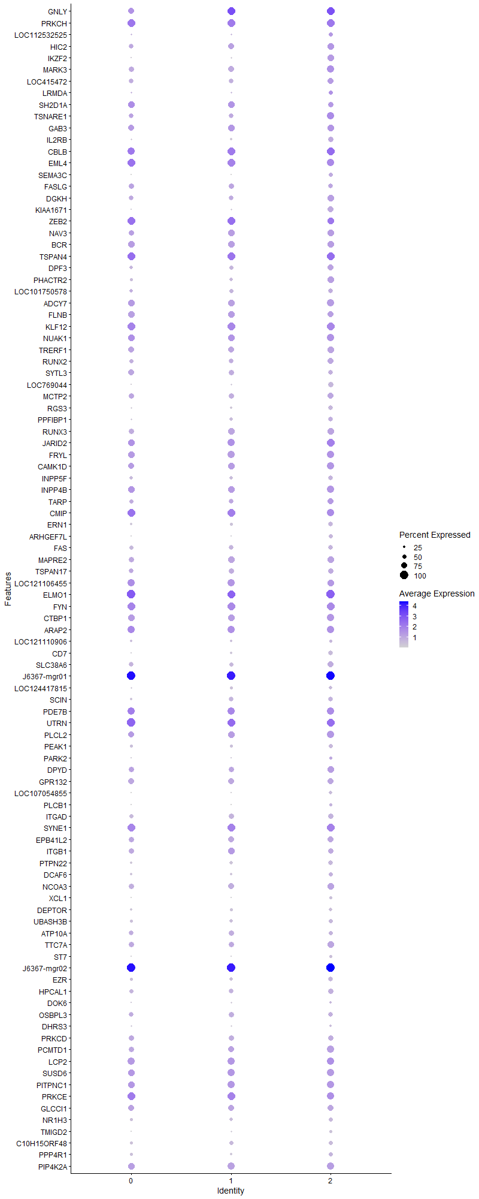
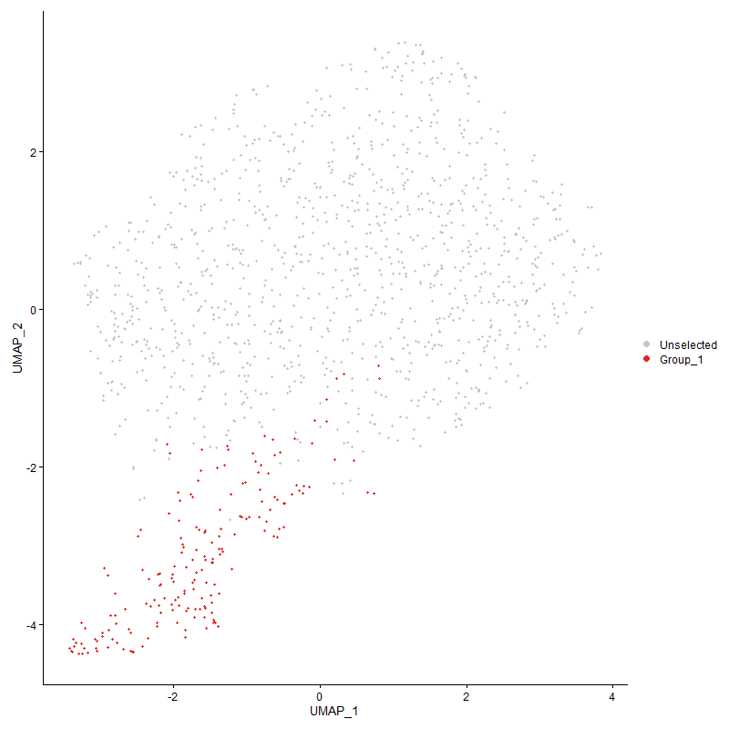
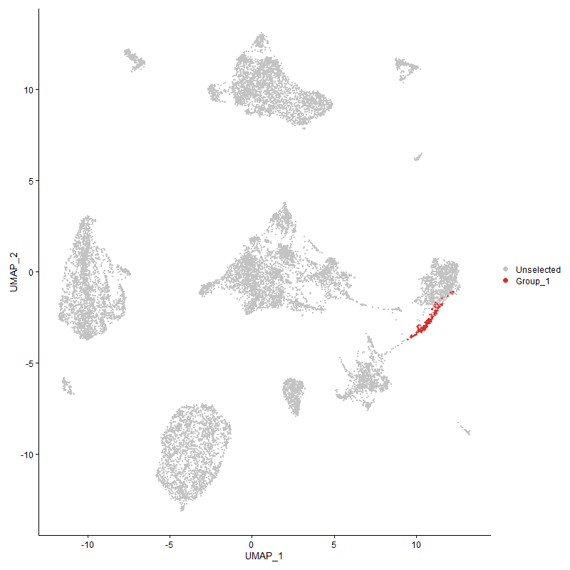
 | p_val | avg_log2FC | pct.1 | pct.2 | p_val_adj | cluster | gene
GNLY2 | 1.2072118203E-231 | 3.3483225137 | 0.941 | 0.145 | 1.8435331708E-227 | 2 | GNLY
PRKCH2 | 1.4961747733E-163 | 2.163404708 | 0.995 | 0.246 | 2.2848084962E-159 | 2 | PRKCH
LOC1125325252 | 0 | 1.8651883267 | 0.522 | 0.016 | 0 | 2 | LOC112532525
HIC22 | 0 | 1.7971144865 | 0.828 | 0.073 | 0 | 2 | HIC2
IKZF2 | 1.2662655172E-297 | 1.6208071588 | 0.785 | 0.07 | 1.9337140713E-293 | 2 | IKZF2
MARK32 | 1.659195793E-87 | 1.5308092169 | 0.892 | 0.348 | 2.5337578955E-83 | 2 | MARK3
LOC4154722 | 9.3522319333E-143 | 1.5027072784 | 0.742 | 0.131 | 1.4281793385E-138 | 2 | LOC415472
LRMDA1 | 4.6634825976E-50 | 1.4579655672 | 0.532 | 0.153 | 7.1216042749E-46 | 2 | LRMDA
SH2D1A2 | 1.4718488948E-65 | 1.4452179105 | 0.624 | 0.181 | 2.2476604472E-61 | 2 | SH2D1A
TSNARE12 | 1.7590662945E-68 | 1.4181106837 | 0.876 | 0.362 | 2.6862701384E-64 | 2 | TSNARE1
GAB32 | 5.8041399379E-78 | 1.4162889464 | 0.774 | 0.246 | 8.8635020992E-74 | 2 | GAB3
IL2RB2 | 0 | 1.3425512183 | 0.656 | 0.025 | 0 | 2 | IL2RB
CBLB2 | 3.438142621E-62 | 1.3395914403 | 0.989 | 0.672 | 5.2503875965E-58 | 2 | CBLB
EML42 | 2.2334190882E-66 | 1.3042453847 | 0.892 | 0.394 | 3.4106542896E-62 | 2 | EML4
SEMA3C | 0 | 1.3019769807 | 0.511 | 0.022 | 0 | 2 | SEMA3C
FASLG2 | 2.5865361772E-181 | 1.30192457 | 0.575 | 0.059 | 3.9498993962E-177 | 2 | FASLG
DGKH2 | 2.2683730601E-103 | 1.2584712704 | 0.78 | 0.182 | 3.4640325E-99 | 2 | DGKH
KIAA16711 | 1.7143571703E-306 | 1.2466787964 | 0.715 | 0.056 | 2.6179948348E-302 | 2 | KIAA1671
ZEB22 | 4.9810513087E-51 | 1.2385446989 | 0.812 | 0.291 | 7.6065634536E-47 | 2 | ZEB2
NAV32 | 1.1915406584E-82 | 1.2017150087 | 0.769 | 0.21 | 1.8196017394E-78 | 2 | NAV3
BCR2 | 9.7803890086E-70 | 1.1827481811 | 0.79 | 0.275 | 1.4935632055E-65 | 2 | BCR
TSPAN42 | 4.8150507888E-57 | 1.1773542774 | 0.989 | 0.783 | 7.3530640595E-53 | 2 | TSPAN4
DPF32 | 1.7580028078E-81 | 1.1520408976 | 0.688 | 0.171 | 2.6846460878E-77 | 2 | DPF3
PHACTR2 | 4.5137460657E-67 | 1.1219923889 | 0.785 | 0.275 | 6.8929416169E-63 | 2 | PHACTR2
LOC1017505782 | 1.3769177692E-185 | 1.0918544114 | 0.559 | 0.054 | 2.1026911253E-181 | 2 | LOC101750578
ADCY72 | 1.7698764639E-64 | 1.0876861895 | 0.86 | 0.372 | 2.7027783481E-60 | 2 | ADCY7
FLNB2 | 1.0143385134E-50 | 1.0789441316 | 0.747 | 0.328 | 1.5489963438E-46 | 2 | FLNB
KLF122 | 7.2515517617E-45 | 1.0073469262 | 0.962 | 0.551 | 1.1073844695E-40 | 2 | KLF12
NUAK12 | 7.8058234917E-42 | 0.99021432348 | 0.876 | 0.554 | 1.1920273054E-37 | 2 | NUAK1
TRERF12 | 8.9352989766E-54 | 0.95999305691 | 0.769 | 0.308 | 1.3645095067E-49 | 2 | TRERF1
RUNX22 | 1.9556579324E-69 | 0.95804701942 | 0.704 | 0.202 | 2.9864852286E-65 | 2 | RUNX2
SYTL32 | 1.0336381301E-131 | 0.95260040135 | 0.575 | 0.078 | 1.5784687885E-127 | 2 | SYTL3
LOC7690441 | 0 | 0.94225249312 | 0.651 | 0.014 | 0 | 2 | LOC769044
MCTP22 | 1.4221240154E-62 | 0.92996344238 | 0.704 | 0.217 | 2.171725584E-58 | 2 | MCTP2
RGS32 | 0 | 0.92319470276 | 0.591 | 0.02 | 0 | 2 | RGS3
PPFIBP11 | 7.4999150696E-59 | 0.91108018101 | 0.581 | 0.17 | 1.1453120303E-54 | 2 | PPFIBP1
RUNX32 | 3.6421423725E-47 | 0.90932635802 | 0.78 | 0.336 | 5.5619156171E-43 | 2 | RUNX3
JARID22 | 8.4966180874E-38 | 0.90541532744 | 0.952 | 0.792 | 1.2975185481E-33 | 2 | JARID2
FRYL2 | 3.7881790349E-35 | 0.88774520254 | 0.892 | 0.571 | 5.7849282042E-31 | 2 | FRYL
CAMK1D2 | 2.4949510853E-39 | 0.87982717177 | 0.866 | 0.466 | 3.8100398023E-35 | 2 | CAMK1D
INPP5F2 | 1.0678208674E-120 | 0.86618378881 | 0.575 | 0.086 | 1.6306692466E-116 | 2 | INPP5F
INPP4B2 | 7.9579389667E-45 | 0.8515965706 | 0.849 | 0.368 | 1.2152568596E-40 | 2 | INPP4B
TARP1 | 1.2263229893E-38 | 0.83623313041 | 0.726 | 0.283 | 1.8727178369E-34 | 2 | TARP
CMIP2 | 5.2718969218E-33 | 0.82230523113 | 0.909 | 0.663 | 8.0507137893E-29 | 2 | CMIP
ERN12 | 2.5991379732E-102 | 0.81630841518 | 0.543 | 0.089 | 3.9691435988E-98 | 2 | ERN1
ARHGEF7L | 1.7803981059E-115 | 0.81391064451 | 0.5 | 0.07 | 2.7188459475E-111 | 2 | ARHGEF7L
FAS2 | 9.5251261498E-87 | 0.80584558528 | 0.565 | 0.111 | 1.4545820143E-82 | 2 | FAS
MAPRE22 | 1.4617920778E-34 | 0.80358112501 | 0.769 | 0.411 | 2.232302682E-30 | 2 | MAPRE2
TSPAN172 | 5.7296673958E-45 | 0.79445144489 | 0.634 | 0.217 | 8.7497750801E-41 | 2 | TSPAN17
LOC1211064552 | 7.2951138856E-30 | 0.78364525529 | 0.833 | 0.434 | 1.1140368415E-25 | 2 | LOC121106455
ELMO12 | 9.7474128524E-35 | 0.77930424603 | 1 | 0.916 | 1.4885274167E-30 | 2 | ELMO1
FYN2 | 2.2866605308E-35 | 0.77840315385 | 0.984 | 0.701 | 3.4919592967E-31 | 2 | FYN
CTBP12 | 1.0546485323E-31 | 0.77502919921 | 0.871 | 0.553 | 1.6105537736E-27 | 2 | CTBP1
ARAP22 | 9.2405372523E-30 | 0.77333770027 | 0.887 | 0.557 | 1.4111224438E-25 | 2 | ARAP2
LOC1211109062 | 1.6317434806E-82 | 0.76918386866 | 0.376 | 0.052 | 2.4918354692E-78 | 2 | LOC121110906
CD71 | 3.166184008E-197 | 0.7525400533 | 0.543 | 0.048 | 4.8350795987E-193 | 2 | CD7
SLC38A62 | 3.025045774E-44 | 0.75039095336 | 0.731 | 0.293 | 4.6195474014E-40 | 2 | SLC38A6
J6367-mgr012 | 4.8376093023E-29 | 0.73849018712 | 1 | 0.999 | 7.3875131656E-25 | 2 | J6367-mgr01
LOC1244178152 | 5.2928859167E-114 | 0.73539305457 | 0.403 | 0.045 | 8.0827660834E-110 | 2 | LOC124417815
SCIN2 | 2.3578070045E-43 | 0.73359372126 | 0.559 | 0.187 | 3.6006070766E-39 | 2 | SCIN
PDE7B2 | 4.4265001198E-31 | 0.7314774542 | 0.866 | 0.444 | 6.759708333E-27 | 2 | PDE7B
UTRN2 | 3.2792456642E-31 | 0.72794788111 | 0.995 | 0.919 | 5.0077360537E-27 | 2 | UTRN
PLCL22 | 6.3619473882E-31 | 0.7278475131 | 0.903 | 0.533 | 9.7153298566E-27 | 2 | PLCL2
PEAK12 | 5.9556909915E-86 | 0.7156945854 | 0.452 | 0.072 | 9.0949357132E-82 | 2 | PEAK1
PARK2 | 8.5863689361E-13 | 0.71502342947 | 0.371 | 0.179 | 1.3112244002E-08 | 2 | PARK2
DPYD2 | 2.5443447034E-29 | 0.70583059746 | 0.785 | 0.398 | 3.8854687965E-25 | 2 | DPYD
GPR1322 | 1.3318472307E-29 | 0.70457405784 | 0.726 | 0.359 | 2.033863906E-25 | 2 | GPR132
LOC107054855 | 7.9647200424E-201 | 0.70144806428 | 0.435 | 0.03 | 1.2162923977E-196 | 2 | LOC107054855
PLCB1 | 7.3779508159E-69 | 0.70035595154 | 0.317 | 0.042 | 1.1266868691E-64 | 2 | PLCB1
ITGAD2 | 3.7959425884E-49 | 0.69816549866 | 0.608 | 0.197 | 5.7967839267E-45 | 2 | ITGAD
SYNE12 | 2.4459431917E-25 | 0.69743257425 | 0.962 | 0.767 | 3.735199848E-21 | 2 | SYNE1
EPB41L22 | 4.9813696867E-30 | 0.66652870238 | 0.758 | 0.371 | 7.6070496486E-26 | 2 | EPB41L2
ITGB12 | 3.0119297193E-24 | 0.66243249182 | 0.64 | 0.334 | 4.5995178744E-20 | 2 | ITGB1
PTPN221 | 1.8558978549E-49 | 0.6622507871 | 0.565 | 0.169 | 2.8341416142E-45 | 2 | PTPN22
DCAF6 | 6.9165550159E-17 | 0.65488380148 | 0.468 | 0.235 | 1.0562271165E-12 | 2 | DCAF6
NCOA32 | 1.8029806995E-23 | 0.6441028606 | 0.785 | 0.47 | 2.7533318262E-19 | 2 | NCOA3
XCL1 | 0 | 0.64316278838 | 0.366 | 0.007 | 0 | 2 | XCL1
DEPTOR2 | 2.2012773518E-195 | 0.63182492477 | 0.403 | 0.026 | 3.361570644E-191 | 2 | DEPTOR
UBASH3B2 | 2.2983664372E-41 | 0.63042953552 | 0.495 | 0.148 | 3.5098353862E-37 | 2 | UBASH3B
ATP10A2 | 8.276058652E-38 | 0.62166325042 | 0.522 | 0.167 | 1.2638369168E-33 | 2 | ATP10A
TTC7A2 | 2.5665542186E-27 | 0.61647262996 | 0.763 | 0.386 | 3.9193849473E-23 | 2 | TTC7A
ST7 | 1.9067679848E-100 | 0.61336241675 | 0.36 | 0.04 | 2.9118253896E-96 | 2 | ST7
J6367-mgr021 | 1.0928692259E-18 | 0.60814772969 | 1 | 1 | 1.6689205949E-14 | 2 | J6367-mgr02
EZR2 | 1.6450845433E-37 | 0.6058687129 | 0.554 | 0.189 | 2.5122086061E-33 | 2 | EZR
HPCAL12 | 1.6333284977E-27 | 0.60581026828 | 0.629 | 0.284 | 2.4942559488E-23 | 2 | HPCAL1
DOK6 | 3.082169619E-26 | 0.59893052268 | 0.306 | 0.086 | 4.7067812252E-22 | 2 | DOK6
OSBPL32 | 2.765954795E-22 | 0.59458390434 | 0.565 | 0.262 | 4.2238895674E-18 | 2 | OSBPL3
DHRS31 | 5.0797398531E-36 | 0.59256618948 | 0.296 | 0.066 | 7.7572707296E-32 | 2 | DHRS3
PRKCD2 | 2.3358129324E-21 | 0.58995195403 | 0.645 | 0.345 | 3.567019929E-17 | 2 | PRKCD
PCMTD12 | 1.7311176614E-25 | 0.58852470408 | 0.855 | 0.51 | 2.6435897807E-21 | 2 | PCMTD1
LCP21 | 2.4571722175E-22 | 0.58633290359 | 0.919 | 0.66 | 3.7523476933E-18 | 2 | LCP2
SUSD62 | 1.6292948979E-20 | 0.58197100801 | 0.882 | 0.641 | 2.4880962386E-16 | 2 | SUSD6
PITPNC12 | 2.5467726869E-24 | 0.57976130475 | 0.876 | 0.633 | 3.8891765702E-20 | 2 | PITPNC1
PRKCE2 | 2.0708894485E-20 | 0.57636305363 | 0.903 | 0.569 | 3.1624552768E-16 | 2 | PRKCE
GLCCI12 | 2.0101088017E-19 | 0.57453733389 | 0.726 | 0.429 | 3.0696371511E-15 | 2 | GLCCI1
NR1H32 | 7.9910266814E-34 | 0.56832130481 | 0.505 | 0.176 | 1.2203096845E-29 | 2 | NR1H3
TMIGD21 | 0 | 0.56427617117 | 0.36 | 0.008 | 0 | 2 | TMIGD2
C10H15ORF482 | 1.7685255861E-44 | 0.56399770595 | 0.489 | 0.138 | 2.7007154225E-40 | 2 | C10H15ORF48
PPP4R1 | 2.7192403864E-23 | 0.56148080847 | 0.532 | 0.239 | 4.152551994E-19 | 2 | PPP4R1
PIP4K2A2 | 3.3429100296E-18 | 0.55025522652 | 0.86 | 0.595 | 5.1049579062E-14 | 2 | PIP4K2A
APBB1IP2 | 3.2081709931E-21 | 0.55004979179 | 0.941 | 0.654 | 4.8991979235E-17 | 2 | APBB1IP
DGKD1 | 2.4014106906E-27 | 0.54412375685 | 0.806 | 0.439 | 3.6671942655E-23 | 2 | DGKD
HMGCR2 | 4.0731533636E-19 | 0.54255489332 | 0.704 | 0.416 | 6.2201125016E-15 | 2 | HMGCR
UBR22 | 8.4419682711E-24 | 0.5424607085 | 0.629 | 0.31 | 1.2891729747E-19 | 2 | UBR2
B3GNT52 | 4.7811910685E-121 | 0.54149025104 | 0.457 | 0.053 | 7.3013568808E-117 | 2 | B3GNT5
LOC420734 | 0 | 0.54073617887 | 0.285 | 0.006 | 0 | 2 | LOC420734
PELI32 | 7.0680539026E-24 | 0.53686704283 | 0.801 | 0.452 | 1.0793625115E-19 | 2 | PELI3
ARHGEF32 | 4.3846306571E-18 | 0.52961378699 | 0.909 | 0.648 | 6.6957694765E-14 | 2 | ARHGEF3
ZSWIM5 | 3.3862734022E-51 | 0.5247918083 | 0.387 | 0.08 | 5.1711781125E-47 | 2 | ZSWIM5
SYT141 | 4.5940346503E-81 | 0.52252297785 | 0.306 | 0.035 | 7.0155503145E-77 | 2 | SYT14
GTDC12 | 1.5739864616E-16 | 0.52114839171 | 0.656 | 0.367 | 2.4036347254E-12 | 2 | GTDC1
GSK3A2 | 9.8977198808E-21 | 0.52026549283 | 0.909 | 0.741 | 1.511480803E-16 | 2 | GSK3A
ASXL3 | 3.4007699738E-25 | 0.51265229984 | 0.253 | 0.065 | 5.193315827E-21 | 2 | ASXL3
PPP1R361 | 1.5478263156E-31 | 0.51161155645 | 0.505 | 0.18 | 2.3636855666E-27 | 2 | PPP1R36
FAM126A2 | 3.307800137E-28 | 0.51111079288 | 0.403 | 0.132 | 5.0513415892E-24 | 2 | FAM126A
DTNB2 | 8.4706398901E-25 | 0.51049530047 | 0.538 | 0.233 | 1.2935514176E-20 | 2 | DTNB
ADORA2A2 | 9.1921442676E-22 | 0.51028629796 | 0.446 | 0.179 | 1.4037323511E-17 | 2 | ADORA2A
REPS2 | 4.0170310465E-32 | 0.50853806749 | 0.376 | 0.107 | 6.1344081112E-28 | 2 | REPS2
MADD2 | 1.1841662684E-19 | 0.50281954165 | 0.575 | 0.276 | 1.8083403085E-15 | 2 | MADD
FAM49B | 7.0733855249E-16 | 0.49863516167 | 0.812 | 0.581 | 1.0801767035E-11 | 2 | FAM49B
KLC12 | 6.2690297199E-23 | 0.49799229861 | 0.575 | 0.272 | 9.5734352852E-19 | 2 | KLC1
CD2441 | 6.6954038736E-44 | 0.49752546245 | 0.376 | 0.087 | 1.0224551255E-39 | 2 | CD244
PLCB4 | 5.474219134E-107 | 0.49735196994 | 0.349 | 0.034 | 8.3596800395E-103 | 2 | PLCB4
PTBP1 | 8.4894859806E-22 | 0.49689517995 | 0.677 | 0.373 | 1.2964294041E-17 | 2 | PTBP1
TES1 | 4.2501148044E-33 | 0.49471345014 | 0.452 | 0.143 | 6.4903503178E-29 | 2 | TES
SERPINI1 | 4.9180729309E-201 | 0.49382092741 | 0.253 | 0.009 | 7.5103891727E-197 | 2 | SERPINI1
HEG11 | 1.2916705356E-211 | 0.49044541615 | 0.36 | 0.019 | 1.9725100749E-207 | 2 | HEG1
CST72 | 2.0689790989E-82 | 0.49002192624 | 0.349 | 0.045 | 3.1595379819E-78 | 2 | CST7
IPCEF12 | 1.370635139E-22 | 0.48991978414 | 0.602 | 0.269 | 2.0930969208E-18 | 2 | IPCEF1
SMYD3 | 2.4940220667E-14 | 0.48865644744 | 0.317 | 0.126 | 3.8086210981E-10 | 2 | SMYD3
GZMA1 | 8.5299430936E-72 | 0.48607163608 | 0.28 | 0.033 | 1.3026076098E-67 | 2 | GZMA
FGD4 | 1.7588492703E-46 | 0.48576258713 | 0.457 | 0.112 | 2.6859387207E-42 | 2 | FGD4
ETS22 | 5.0226097592E-19 | 0.48457282276 | 0.575 | 0.286 | 7.6700273633E-15 | 2 | ETS2
TNIK2 | 1.9397296163E-22 | 0.48372588078 | 0.774 | 0.426 | 2.9621610971E-18 | 2 | TNIK
SPRY2 | 0 | 0.4831958522 | 0.296 | 0.007 | 0 | 2 | SPRY2
MAPK32 | 1.3747296536E-19 | 0.48153894722 | 0.731 | 0.41 | 2.099349654E-15 | 2 | MAPK3
MYO1D2 | 1.2601565481E-59 | 0.47695622582 | 0.306 | 0.047 | 1.9243850646E-55 | 2 | MYO1D
GZMM2 | 2.3740674625E-55 | 0.47446002566 | 0.328 | 0.056 | 3.625438422E-51 | 2 | GZMM
CLINT1 | 3.5622087831E-21 | 0.47167075576 | 0.597 | 0.293 | 5.4398490327E-17 | 2 | CLINT1
ADRB2 | 2.1138774296E-25 | 0.47141614302 | 0.559 | 0.237 | 3.2281022227E-21 | 2 | ADRB2
DOCK22 | 4.5317576324E-13 | 0.46818846316 | 0.952 | 0.881 | 6.9204470804E-09 | 2 | DOCK2
TCF4 | 3.7830541695E-26 | 0.4652577554 | 0.5 | 0.188 | 5.7771020222E-22 | 2 | TCF4
BRAF2 | 1.3895284223E-13 | 0.4645515942 | 0.753 | 0.537 | 2.1219488536E-09 | 2 | BRAF
VAV3 | 8.9216864047E-18 | 0.4607451062 | 0.984 | 0.85 | 1.3624307309E-13 | 2 | VAV3
PTP4A32 | 9.7664390308E-21 | 0.45424224066 | 0.527 | 0.243 | 1.4914329044E-16 | 2 | PTP4A3
ATP8A12 | 3.2243678012E-22 | 0.45137235698 | 0.468 | 0.183 | 4.9239320692E-18 | 2 | ATP8A1
FAM208A2 | 6.1593290238E-19 | 0.45053893829 | 0.538 | 0.262 | 9.4059113523E-15 | 2 | FAM208A
FYB1 | 5.7212585593E-13 | 0.44452819882 | 0.602 | 0.352 | 8.736933946E-09 | 2 | FYB1
DGKQ2 | 1.9020476819E-25 | 0.44412035567 | 0.457 | 0.167 | 2.904617015E-21 | 2 | DGKQ
SNRK1 | 1.0827762377E-16 | 0.44046014033 | 0.64 | 0.345 | 1.6535075925E-12 | 2 | SNRK
J6367-mgp022 | 5.7994280587E-19 | 0.44045375004 | 1 | 0.995 | 8.8563065885E-15 | 2 | J6367-mgp02
TAPT12 | 1.7494135685E-17 | 0.44030276762 | 0.505 | 0.246 | 2.6715294604E-13 | 2 | TAPT1
DUSP102 | 2.742168947E-21 | 0.4393554093 | 0.495 | 0.216 | 4.187566199E-17 | 2 | DUSP10
INPPL12 | 1.0884850411E-76 | 0.43821608892 | 0.306 | 0.038 | 1.6622255062E-72 | 2 | INPPL1
LOC1017516151 | 1.2357618743E-57 | 0.43727271775 | 0.371 | 0.068 | 1.8871319582E-53 | 2 | LOC101751615
TOX22 | 1.1388762474E-15 | 0.43556131394 | 0.554 | 0.285 | 1.7391779173E-11 | 2 | TOX2
ASAP11 | 2.8516810259E-13 | 0.43474689495 | 0.661 | 0.428 | 4.3548020947E-09 | 2 | ASAP1
ITGB22 | 9.733550697E-16 | 0.43368982682 | 0.484 | 0.245 | 1.4864105269E-11 | 2 | ITGB2
CPED1 | 2.9087994021E-103 | 0.43197618687 | 0.151 | 0.007 | 4.4420275669E-99 | 2 | CPED1
ANKFN1L2 | 2.5876607114E-112 | 0.43189499674 | 0.344 | 0.033 | 3.9516166724E-108 | 2 | ANKFN1L
CCDC88B2 | 9.6181553001E-14 | 0.43158885222 | 0.726 | 0.482 | 1.4687884959E-09 | 2 | CCDC88B
PDE7A1 | 1.4424697134E-17 | 0.43092682376 | 0.565 | 0.279 | 2.2027954994E-13 | 2 | PDE7A
KIF1B2 | 2.9249321147E-19 | 0.42731218879 | 0.543 | 0.248 | 4.4666638324E-15 | 2 | KIF1B
IKZF32 | 6.3630880762E-15 | 0.42697375433 | 0.559 | 0.312 | 9.7170718012E-11 | 2 | IKZF3
KIF13B2 | 7.1805501971E-26 | 0.42243686602 | 0.446 | 0.158 | 1.0965418206E-21 | 2 | KIF13B
ADAP12 | 5.113076319E-53 | 0.41954684398 | 0.306 | 0.052 | 7.8081788467E-49 | 2 | ADAP1
SOAT1 | 3.9261201006E-53 | 0.41900234063 | 0.29 | 0.047 | 5.9955780057E-49 | 2 | SOAT1
JAKMIP12 | 4.6833227425E-28 | 0.41886094418 | 0.419 | 0.134 | 7.1519021601E-24 | 2 | JAKMIP1
RAB8B2 | 3.1430033608E-13 | 0.41764437678 | 0.661 | 0.454 | 4.7996804322E-09 | 2 | RAB8B
YBX31 | 1.4453821007E-25 | 0.41645432341 | 0.489 | 0.187 | 2.207243006E-21 | 2 | YBX3
SLC12A2 | 1.1643510863E-23 | 0.41404790592 | 0.387 | 0.133 | 1.7780805439E-19 | 2 | SLC12A2
GGT5 | 0 | 0.41099500896 | 0.247 | 0.002 | 0 | 2 | GGT5
ZBTB382 | 6.0087281944E-28 | 0.410128133 | 0.392 | 0.123 | 9.1759288256E-24 | 2 | ZBTB38
GRAMD4 | 1.4389737182E-22 | 0.40987140737 | 0.392 | 0.143 | 2.197456765E-18 | 2 | GRAMD4
PTPN61 | 4.0842679015E-14 | 0.40416770094 | 0.419 | 0.208 | 6.2370855124E-10 | 2 | PTPN6
CD8A2 | 1.3188214639E-61 | 0.40249400077 | 0.392 | 0.07 | 2.0139722575E-57 | 2 | CD8A
FHIT2 | 1.1310486664E-08 | 0.40237137577 | 0.419 | 0.233 | 0.00017272244185 | 2 | FHIT
AUTS2 | 2.6745206091E-09 | 0.40188935143 | 0.118 | 0.036 | 4.0842604222E-05 | 2 | AUTS2
LOC1125303781 | 6.4089266336E-08 | 0.40021990284 | 0.188 | 0.081 | 0.00097870718621 | 2 | LOC112530378
TMEM106B2 | 2.1151835379E-16 | 0.39997440689 | 0.441 | 0.206 | 3.2300967807E-12 | 2 | TMEM106B
CMC12 | 2.2358916039E-12 | 0.39988611138 | 0.242 | 0.092 | 3.4144300684E-08 | 2 | CMC1
SNX242 | 5.600477905E-53 | 0.39920277809 | 0.328 | 0.057 | 8.5524898087E-49 | 2 | SNX24
SYTL11 | 1.8142107088E-21 | 0.39885018037 | 0.387 | 0.145 | 2.7704811735E-17 | 2 | SYTL1
IWS11 | 2.1275165973E-11 | 0.3983124393 | 0.371 | 0.194 | 3.2489305958E-07 | 2 | IWS1
GFPT2 | 4.2504598935E-31 | 0.39819706523 | 0.231 | 0.048 | 6.4908773034E-27 | 2 | GFPT2
SYNE32 | 1.0659282676E-12 | 0.39646578769 | 0.414 | 0.217 | 1.6277790575E-08 | 2 | SYNE3
LOC1017517822 | 1.6032434403E-36 | 0.39335173728 | 0.215 | 0.036 | 2.4483130577E-32 | 2 | LOC101751782
RUBCNL1 | 7.5441605694E-20 | 0.3927226226 | 0.522 | 0.227 | 1.1520687606E-15 | 2 | RUBCNL
FAM46A | 8.5961385819E-14 | 0.39161169531 | 0.446 | 0.224 | 1.3127163228E-09 | 2 | FAM46A
PPP2R5C | 3.1134868893E-14 | 0.39144602324 | 0.677 | 0.402 | 4.7546058286E-10 | 2 | PPP2R5C
CNOT1 | 2.3079237792E-11 | 0.39005452367 | 0.656 | 0.461 | 3.5244304032E-07 | 2 | CNOT1
PIK3R1 | 9.5657016703E-12 | 0.38959609662 | 0.726 | 0.483 | 1.4607783021E-07 | 2 | PIK3R1
TRIB2 | 1.9178254539E-29 | 0.387482959 | 0.29 | 0.073 | 2.9287112507E-25 | 2 | TRIB2
ITPK1 | 1.7460453904E-12 | 0.38469888505 | 0.522 | 0.288 | 2.6663859156E-08 | 2 | ITPK1
RASA32 | 6.1354594226E-07 | 0.38441472675 | 0.914 | 0.876 | 0.0093694600842 | 2 | RASA3
PRF1 | 3.6313151589E-204 | 0.38342233972 | 0.247 | 0.009 | 5.5453813791E-200 | 2 | PRF1
TNFSF8 | 9.6596857381E-15 | 0.38304035295 | 0.387 | 0.172 | 1.4751306091E-10 | 2 | TNFSF8
KIF1BP1 | 1.9173298624E-10 | 0.38242759853 | 0.823 | 0.709 | 2.9279544329E-06 | 2 | KIF1BP
ZNF618 | 5.7953412881E-32 | 0.38065736315 | 0.274 | 0.062 | 8.850065681E-28 | 2 | ZNF618
USP24 | 7.3965820783E-16 | 0.37593190124 | 0.441 | 0.207 | 1.1295320492E-11 | 2 | USP24
HEXB | 5.4750461057E-22 | 0.37507156262 | 0.403 | 0.151 | 8.360942908E-18 | 2 | HEXB
GZMK1 | 1.3513790133E-92 | 0.37439897386 | 0.258 | 0.023 | 2.0636908912E-88 | 2 | GZMK
RRBP12 | 3.006610239E-54 | 0.3735284365 | 0.29 | 0.046 | 4.5913944959E-50 | 2 | RRBP1
GNAI32 | 1.7777109873E-15 | 0.37329568554 | 0.425 | 0.202 | 2.7147424487E-11 | 2 | GNAI3
PSTPIP12 | 4.489527269E-08 | 0.37312792506 | 0.645 | 0.479 | 0.00068559570925 | 2 | PSTPIP1
MARCH62 | 2.2196269542E-11 | 0.37200551021 | 0.532 | 0.313 | 3.3895923218E-07 | 2 | MARCH6
UBE2Q21 | 7.678082113E-19 | 0.37099163838 | 0.387 | 0.154 | 1.1725199195E-14 | 2 | UBE2Q2
PLCG2 | 1.1580462033E-24 | 0.3709678587 | 0.554 | 0.215 | 1.768452357E-20 | 2 | PLCG2
SMARCA22 | 4.5174552504E-11 | 0.37035059362 | 0.661 | 0.435 | 6.8986059129E-07 | 2 | SMARCA2
RABGAP1L1 | 1.2087601339E-07 | 0.36508138429 | 0.742 | 0.517 | 0.0018458976005 | 2 | RABGAP1L
RPS6KA5 | 7.7228436501E-15 | 0.36183806308 | 0.554 | 0.299 | 1.1793554538E-10 | 2 | RPS6KA5
PTPN12 | 6.7281829647E-22 | 0.36083063367 | 0.387 | 0.14 | 1.0274608205E-17 | 2 | PTPN12
SCML21 | 2.3558352923E-72 | 0.3595984575 | 0.242 | 0.025 | 3.5975960749E-68 | 2 | SCML2
INSRR | 1.5168446685E-86 | 0.35874756814 | 0.274 | 0.027 | 2.3163734932E-82 | 2 | INSRR
BTBD1 | 2.2837838562E-25 | 0.35606889648 | 0.419 | 0.144 | 3.4875663268E-21 | 2 | BTBD1
GNAS2 | 2.3474337198E-10 | 0.35504936385 | 0.575 | 0.363 | 3.5847660335E-06 | 2 | GNAS
LRCH2 | 8.4509284213E-16 | 0.35443126159 | 0.538 | 0.272 | 1.2905412792E-11 | 2 | LRCH2
BCL2A12 | 4.181563999E-24 | 0.35372297608 | 0.237 | 0.06 | 6.3856663829E-20 | 2 | BCL2A1
ESRRG2 | 2.7924254123E-05 | 0.35364591144 | 0.672 | 0.511 | 0.42643128472 | 2 | ESRRG
MAN1A12 | 2.6101775484E-09 | 0.35235518308 | 0.984 | 0.881 | 3.9860021342E-05 | 2 | MAN1A1
DGKI2 | 5.9649818992E-32 | 0.34793407767 | 0.172 | 0.027 | 9.1091238583E-28 | 2 | DGKI
RSBN1L2 | 1.3257254373E-06 | 0.34621307363 | 0.468 | 0.324 | 0.020245153154 | 2 | RSBN1L
J6367-mgp032 | 7.5227524666E-12 | 0.34492093266 | 1 | 0.989 | 1.1487995292E-07 | 2 | J6367-mgp03
PPP3R12 | 1.4897930418E-21 | 0.34374385102 | 0.43 | 0.166 | 2.2750629542E-17 | 2 | PPP3R1
KPNA41 | 3.7069966257E-11 | 0.33996480638 | 0.527 | 0.319 | 5.660954547E-07 | 2 | KPNA4
DPH6 | 2.803675004E-15 | 0.33678362191 | 0.43 | 0.187 | 4.2814920986E-11 | 2 | DPH6
TBC1D14 | 3.1507554807E-17 | 0.33487605588 | 0.441 | 0.193 | 4.8115186946E-13 | 2 | TBC1D14
ABCB1 | 3.5462309338E-28 | 0.33167816234 | 0.231 | 0.051 | 5.415449259E-24 | 2 | ABCB1
PRR5L2 | 6.9567483436E-29 | 0.33134804808 | 0.328 | 0.089 | 1.0623650395E-24 | 2 | PRR5L
PPP1R12A1 | 1.2865901609E-10 | 0.33036856577 | 0.946 | 0.816 | 1.9647518347E-06 | 2 | PPP1R12A
LPIN12 | 2.8444420873E-16 | 0.32939239739 | 0.419 | 0.184 | 4.3437475114E-12 | 2 | LPIN1
LOC107049163 | 0 | 0.32879625263 | 0.199 | 0.002 | 0 | 2 | LOC107049163
CRAMP11 | 1.0897190703E-14 | 0.32869131347 | 0.484 | 0.239 | 1.6641099922E-10 | 2 | CRAMP1
DHRSX | 1.2317917752E-06 | 0.32568030397 | 0.36 | 0.217 | 0.0188106922 | 2 | DHRSX
PPP2R5A | 7.9215711267E-10 | 0.3255717289 | 0.403 | 0.22 | 1.2097031268E-05 | 2 | PPP2R5A
SKIL | 3.9994685729E-13 | 0.3241355594 | 0.36 | 0.163 | 6.1075884577E-09 | 2 | SKIL
EOMES1 | 2.8649054186E-104 | 0.32346619015 | 0.22 | 0.015 | 4.3749970647E-100 | 2 | EOMES
STAG3 | 8.1624677612E-12 | 0.32123282272 | 0.344 | 0.16 | 1.2464904518E-07 | 2 | STAG3
TSC22D1 | 1.0966475924E-06 | 0.32034327377 | 0.538 | 0.367 | 0.016746905384 | 2 | TSC22D1
TPD521 | 8.8930877234E-19 | 0.31915108551 | 0.344 | 0.125 | 1.3580634262E-14 | 2 | TPD52
USP471 | 1.2383953108E-11 | 0.3190263419 | 0.532 | 0.307 | 1.8911534791E-07 | 2 | USP47
CPEB4 | 1.9444809496E-16 | 0.31868136827 | 0.285 | 0.103 | 2.9694168581E-12 | 2 | CPEB4
LOC1244176272 | 6.2445150866E-15 | 0.31841535708 | 0.333 | 0.135 | 9.5359989887E-11 | 2 | LOC124417627
MATR3 | 3.2267827794E-10 | 0.31546279084 | 0.72 | 0.501 | 4.9276199825E-06 | 2 | MATR3
FRMD81 | 8.9864527877E-14 | 0.31482230873 | 1 | 1 | 1.3723212052E-09 | 2 | FRMD8
LRRFIP12 | 3.484829631E-09 | 0.31419162987 | 0.597 | 0.397 | 5.3216833295E-05 | 2 | LRRFIP1
IL18RAP2 | 8.3368979188E-36 | 0.31399346623 | 0.194 | 0.031 | 1.2731276812E-31 | 2 | IL18RAP
SH3PXD2B | 1.6969108168E-20 | 0.31386778219 | 0.247 | 0.071 | 2.5913525084E-16 | 2 | SH3PXD2B
PITPNM2 | 3.7686953851E-15 | 0.31313182797 | 0.581 | 0.295 | 5.7551747226E-11 | 2 | PITPNM2
PEX3 | 7.5739249461E-10 | 0.31190134643 | 0.242 | 0.104 | 1.1566140785E-05 | 2 | PEX3
CPQ | 1.7754187079E-90 | 0.31178546079 | 0.172 | 0.01 | 2.7112419088E-86 | 2 | CPQ
RAB11FIP4 | 1.7579063207E-24 | 0.31170048391 | 0.263 | 0.07 | 2.6844987424E-20 | 2 | RAB11FIP4
NDE1 | 2.214779244E-14 | 0.31167839074 | 0.468 | 0.226 | 3.3821893835E-10 | 2 | NDE1
DOCK8 | 1.6575027329E-10 | 0.3110712179 | 0.548 | 0.336 | 2.5311724234E-06 | 2 | DOCK8
USPL1 | 1.6905864033E-12 | 0.31032856021 | 0.457 | 0.24 | 2.5816944965E-08 | 2 | USPL1
KSR12 | 2.0479226096E-16 | 0.31020783899 | 0.398 | 0.166 | 3.1273826171E-12 | 2 | KSR1
ANKIB12 | 6.3710841801E-12 | 0.30989333973 | 0.468 | 0.245 | 9.7292826514E-08 | 2 | ANKIB1
ELF12 | 1.33083509E-08 | 0.30844632537 | 0.79 | 0.605 | 0.0002032318266 | 2 | ELF1
ERICH1 | 1.4582635166E-13 | 0.30840164577 | 0.371 | 0.167 | 2.2269142162E-09 | 2 | ERICH1
CHCHD10 | 2.4009053925E-19 | 0.30795115359 | 0.349 | 0.127 | 3.6664226249E-15 | 2 | CHCHD10
BTBD11 | 0.028991769263 | 0.30591181531 | 0.258 | 0.201 | 1 | 2 | BTBD11
TESK2 | 1.1090280622E-15 | 0.30544727562 | 0.285 | 0.104 | 1.6935967538E-11 | 2 | TESK2
RSRP1 | 5.8796422913E-12 | 0.30472116902 | 0.296 | 0.129 | 8.9788017431E-08 | 2 | RSRP1
GLIPR1L1 | 1.45579871E-12 | 0.30441647302 | 0.366 | 0.168 | 2.2231502101E-08 | 2 | GLIPR1L
TTBK12 | 1.8492960711E-13 | 0.30431211345 | 0.371 | 0.166 | 2.8240600302E-09 | 2 | TTBK1
ATAD2B | 1.0318988264E-09 | 0.30387859098 | 0.597 | 0.381 | 1.5758126978E-05 | 2 | ATAD2B
LOC1125327642 | 1.2818933511E-29 | 0.30337417684 | 0.242 | 0.052 | 1.9575793365E-25 | 2 | LOC112532764
STXBP5 | 1.025660235E-08 | 0.30210905812 | 0.785 | 0.581 | 0.00015662857449 | 2 | STXBP5
RGS172 | 1.0877742834E-06 | 0.30197283146 | 0.194 | 0.091 | 0.016611401082 | 2 | RGS17
TRAPPC12 | 4.5654528695E-11 | 0.30128662457 | 0.296 | 0.134 | 6.971903077E-07 | 2 | TRAPPC12
C12orf57 | 3.2285951013E-11 | 0.30127220482 | 0.425 | 0.225 | 4.9303875792E-07 | 2 | C12orf57
RC3H1 | 3.0508891399E-07 | 0.30038185855 | 0.538 | 0.389 | 0.0046590128056 | 2 | RC3H1
TBL1X | 2.9303435964E-08 | 0.30029874609 | 0.989 | 0.814 | 0.00044749277061 | 2 | TBL1X
J6367-mgp122 | 2.1241693253E-10 | 0.29854166896 | 1 | 0.972 | 3.2438189767E-06 | 2 | J6367-mgp12
ADGRG11 | 6.290149896E-71 | 0.29850501045 | 0.21 | 0.019 | 9.6056879061E-67 | 2 | ADGRG1
MTMR101 | 1.3325801707E-11 | 0.29733648359 | 0.462 | 0.248 | 2.0349831787E-07 | 2 | MTMR10
SPATA132 | 8.9184917493E-62 | 0.2956101544 | 0.263 | 0.033 | 1.361942875E-57 | 2 | SPATA13
LOC421106 | 5.8081311266E-11 | 0.29534902448 | 0.263 | 0.113 | 8.8695970434E-07 | 2 | LOC421106
GNG21 | 4.4963932682E-15 | 0.29448855381 | 0.285 | 0.107 | 6.8664421599E-11 | 2 | GNG2
CCT31 | 3.3641029793E-16 | 0.29368664174 | 0.317 | 0.122 | 5.1373216597E-12 | 2 | CCT3
SIK1 | 1.707860992E-10 | 0.29350298938 | 0.333 | 0.162 | 2.6080745209E-06 | 2 | SIK1
DGKZ1 | 2.6198907421E-14 | 0.29229900676 | 0.328 | 0.137 | 4.0008351523E-10 | 2 | DGKZ
LOC121109568 | 4.0213764395E-23 | 0.29223809649 | 0.22 | 0.054 | 6.1410439607E-19 | 2 | LOC121109568
GSAP | 1.7986873173E-12 | 0.29189469344 | 0.296 | 0.125 | 2.7467754023E-08 | 2 | GSAP
LOC101748229 | 4.3351035704E-124 | 0.29176276695 | 0.188 | 0.009 | 6.6201366624E-120 | 2 | LOC101748229
EVL | 2.2339793652E-08 | 0.29085826642 | 0.694 | 0.495 | 0.00034115098887 | 2 | EVL
IL12RB2 | 2.7559783791E-144 | 0.29048434857 | 0.22 | 0.01 | 4.2086545828E-140 | 2 | IL12RB2
RASA1 | 6.1911100746E-07 | 0.28990136881 | 0.36 | 0.213 | 0.0094544441949 | 2 | RASA1
BCKDHB | 1.2226904844E-08 | 0.28982173992 | 0.258 | 0.123 | 0.00018671706387 | 2 | BCKDHB
SESN31 | 9.1571151553E-10 | 0.28943442229 | 0.382 | 0.2 | 1.3983830554E-05 | 2 | SESN3
LOC112532097 | 6.5158999241E-09 | 0.28916903877 | 0.269 | 0.126 | 9.950430774E-05 | 2 | LOC112532097
KIF14 | 1.1588652979E-28 | 0.28814351976 | 0.194 | 0.037 | 1.7697031964E-24 | 2 | KIF14
FBXL17 | 4.2561757853E-09 | 0.28498521958 | 0.575 | 0.35 | 6.4996060417E-05 | 2 | FBXL17
LAT2 | 1.6173748598E-96 | 0.28436366042 | 0.204 | 0.014 | 2.4698931485E-92 | 2 | LAT2
XKR6 | 0.00060878764549 | 0.28289806687 | 0.333 | 0.234 | 1 | 2 | XKR6
MTPN1 | 4.3354860248E-07 | 0.2824112613 | 0.457 | 0.297 | 0.0066207207084 | 2 | MTPN
GCNT4 | 2.4502338114E-33 | 0.28213851604 | 0.28 | 0.061 | 3.7417520534E-29 | 2 | GCNT4
CPSF6 | 5.0681873719E-08 | 0.28052534273 | 0.409 | 0.247 | 0.00077396289357 | 2 | CPSF6
NR3C2 | 8.1382466608E-06 | 0.27960531605 | 0.538 | 0.364 | 0.12427916476 | 2 | NR3C2
GALNT3 | 7.1353007777E-153 | 0.27837414443 | 0.167 | 0.005 | 1.0896317818E-148 | 2 | GALNT3
SUZ12 | 5.1129474783E-20 | 0.27829721541 | 0.263 | 0.079 | 7.8079820942E-16 | 2 | SUZ12
LOC124417876 | 4.9982382371E-66 | 0.27780940517 | 0.22 | 0.023 | 7.6328096118E-62 | 2 | LOC124417876
CDKN1B | 6.8877981577E-06 | 0.27766854691 | 0.478 | 0.35 | 0.10518356567 | 2 | CDKN1B
SBF2 | 1.2526337873E-05 | 0.2762830035 | 0.301 | 0.178 | 0.19128970566 | 2 | SBF2
E2F5 | 2.8245378405E-47 | 0.27564898755 | 0.242 | 0.036 | 4.3133517362E-43 | 2 | E2F5
SLC39A13 | 0.0012588867282 | 0.27485518551 | 0.177 | 0.107 | 1 | 2 | SLC39A13
MOB2 | 2.2317599343E-08 | 0.2742269346 | 0.624 | 0.396 | 0.00034081205957 | 2 | MOB2
LRCH1 | 2.2971157834E-08 | 0.27382458145 | 0.403 | 0.227 | 0.00035079255128 | 2 | LRCH1
LONRF2 | 2.6730096545E-16 | 0.27249571025 | 0.306 | 0.113 | 4.0819530434E-12 | 2 | LONRF2
EPAS1 | 1.7034791275E-16 | 0.27189397727 | 0.204 | 0.059 | 2.6013829756E-12 | 2 | EPAS1
GPR18 | 8.2269916476E-17 | 0.27154700923 | 0.21 | 0.061 | 1.2563438945E-12 | 2 | GPR18
PTPN42 | 1.134676605E-07 | 0.27150113104 | 0.414 | 0.243 | 0.0017327646435 | 2 | PTPN4
TRAPPC8 | 1.7362290369E-09 | 0.27142227707 | 0.387 | 0.209 | 2.6513953622E-05 | 2 | TRAPPC8
FNIP2 | 8.2555977551E-37 | 0.27084085899 | 0.215 | 0.036 | 1.2607123332E-32 | 2 | FNIP2
ZFAND3 | 1.0988241923E-07 | 0.26963080004 | 0.672 | 0.474 | 0.0016780144241 | 2 | ZFAND3
ARHGAP17 | 2.4408381158E-10 | 0.26923065042 | 0.398 | 0.209 | 3.7274038867E-06 | 2 | ARHGAP17
ITPKC2 | 6.9169778444E-11 | 0.26912662628 | 0.366 | 0.178 | 1.0562916866E-06 | 2 | ITPKC
GAREM1 | 2.4592762141E-18 | 0.26841145464 | 0.285 | 0.093 | 3.7555607066E-14 | 2 | GAREM1
EXOC22 | 1.9955713094E-06 | 0.26825551289 | 0.651 | 0.475 | 0.030474369465 | 2 | EXOC2
SH2D1B1 | 2.7964501376E-16 | 0.26701447252 | 0.237 | 0.076 | 4.2704590051E-12 | 2 | SH2D1B
PREX11 | 1.2993331039E-08 | 0.26664658453 | 0.973 | 0.887 | 0.00019842115829 | 2 | PREX1
DAZAP1 | 2.307502537E-08 | 0.26567020879 | 0.597 | 0.388 | 0.00035237871243 | 2 | DAZAP1
SOX61 | 7.2985569295E-19 | 0.26538244125 | 0.161 | 0.036 | 1.1145626287E-14 | 2 | SOX6
NFATC22 | 3.4859906418E-10 | 0.26467520928 | 0.495 | 0.275 | 5.3234563091E-06 | 2 | NFATC2
DOCK5 | 2.4858204451E-18 | 0.26467496654 | 0.258 | 0.08 | 3.7960964017E-14 | 2 | DOCK5
TTC7B | 4.2402967633E-17 | 0.26462356622 | 0.161 | 0.039 | 6.4753571873E-13 | 2 | TTC7B
TOX3 | 2.3254589515E-06 | 0.26454038314 | 0.753 | 0.521 | 0.035512083648 | 2 | TOX
ARHGAP151 | 1.8085065032E-08 | 0.26443276655 | 1 | 0.983 | 0.0002761770281 | 2 | ARHGAP15
CDIN1 | 2.5441560246E-12 | 0.26424449267 | 0.301 | 0.125 | 3.8851806652E-08 | 2 | CDIN1
CCDC6 | 3.8267780779E-11 | 0.26389597352 | 0.446 | 0.236 | 5.8438728028E-07 | 2 | CCDC6
IGF2R2 | 2.9751545546E-06 | 0.26382848059 | 0.333 | 0.201 | 0.045433585203 | 2 | IGF2R
MTHFD1 | 3.4071713779E-20 | 0.26373700761 | 0.237 | 0.066 | 5.2030914112E-16 | 2 | MTHFD1
SCFD2 | 9.2958386599E-07 | 0.26227032183 | 0.237 | 0.121 | 0.014195675218 | 2 | SCFD2
GMDS1 | 6.4424609195E-06 | 0.26163710956 | 0.538 | 0.369 | 0.098382820701 | 2 | GMDS
LITAF | 4.5758953356E-19 | 0.26161554732 | 0.194 | 0.05 | 6.987849767E-15 | 2 | LITAF
PCNX22 | 2.1849715303E-12 | 0.26156016514 | 0.349 | 0.154 | 3.336670024E-08 | 2 | PCNX2
WWP1 | 3.2332293098E-12 | 0.26135553065 | 0.505 | 0.262 | 4.937464479E-08 | 2 | WWP1
TEC | 9.0766649792E-22 | 0.26128604838 | 0.247 | 0.067 | 1.386097509E-17 | 2 | TEC
ARID4B2 | 8.550415103E-07 | 0.26125561642 | 0.672 | 0.502 | 0.013057338904 | 2 | ARID4B
BCL2L11 | 3.0978020633E-21 | 0.26097701442 | 0.215 | 0.055 | 4.7306535309E-17 | 2 | BCL2L11
YPEL1 | 4.1323772063E-17 | 0.26043765374 | 0.28 | 0.095 | 6.3105532318E-13 | 2 | YPEL1
LOC100857714 | 2.1754908463E-13 | 0.25991180478 | 0.366 | 0.162 | 3.3221920714E-09 | 2 | LOC100857714
XPO1 | 5.0507482705E-05 | 0.25937987108 | 0.565 | 0.436 | 0.77129976839 | 2 | XPO1
IDE1 | 1.6251394687E-09 | 0.25888378546 | 0.403 | 0.219 | 2.4817504826E-05 | 2 | IDE
L3MBTL4 | 3.3510837774E-38 | 0.25738861667 | 0.231 | 0.04 | 5.1174400365E-34 | 2 | L3MBTL4
MCTP12 | 7.776172027E-06 | 0.25690172691 | 0.344 | 0.209 | 0.11874992302 | 2 | MCTP1
IL162 | 4.6245863613E-11 | 0.25629782539 | 0.473 | 0.253 | 7.0622058324E-07 | 2 | IL16
RNF214 | 2.1559127483E-14 | 0.25604811169 | 0.226 | 0.076 | 3.2922943579E-10 | 2 | RNF214
ESYT22 | 1.7930159151E-05 | 0.25596825109 | 0.575 | 0.425 | 0.27381146039 | 2 | ESYT2
MCF2L2 | 2.7799382124E-43 | 0.255923886 | 0.21 | 0.03 | 4.2452436442E-39 | 2 | MCF2L2
EPC1 | 6.3429892351E-07 | 0.25544987524 | 0.484 | 0.324 | 0.0096863788608 | 2 | EPC1
CELF2 | 1.9647367773E-05 | 0.25348560312 | 0.973 | 0.919 | 0.30003495326 | 2 | CELF2
DDB2 | 6.1652481946E-26 | 0.25316713123 | 0.215 | 0.047 | 9.414950518E-22 | 2 | DDB2
ENTPD8L11 | 1.0337215195E-31 | 0.25278039786 | 0.21 | 0.039 | 1.5785961324E-27 | 2 | ENTPD8L1
CITED2 | 3.6015211737E-18 | 0.25254466913 | 0.215 | 0.061 | 5.4998829844E-14 | 2 | CITED2
REL | 0.00012481091361 | 0.25145219647 | 0.452 | 0.33 | 1 | 2 | REL
L3MBTL3 | 9.9451244081E-10 | 0.25100054836 | 0.21 | 0.085 | 1.5187199484E-05 | 2 | L3MBTL3
LOC423110 | 7.8897187906E-07 | 0.25065166898 | 0.64 | 0.445 | 0.012048389565 | 2 | LOC423110

