Clustered cells
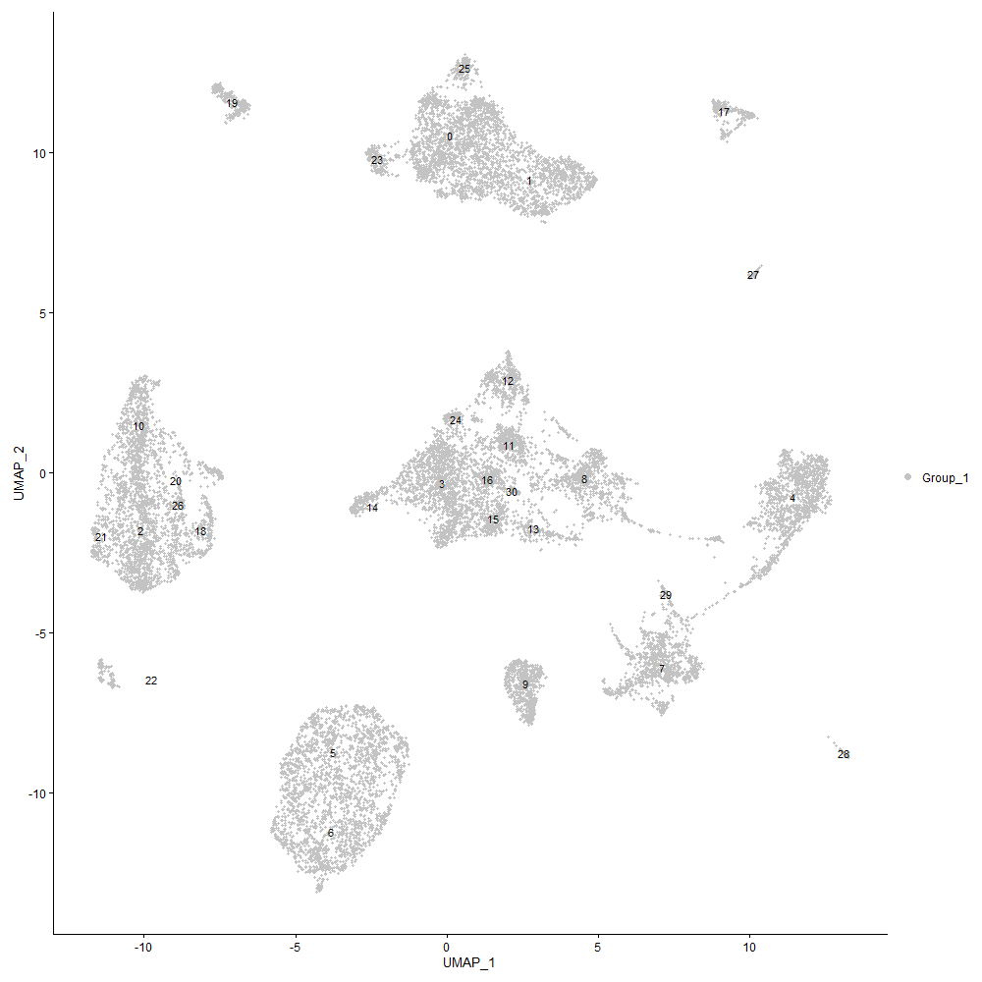
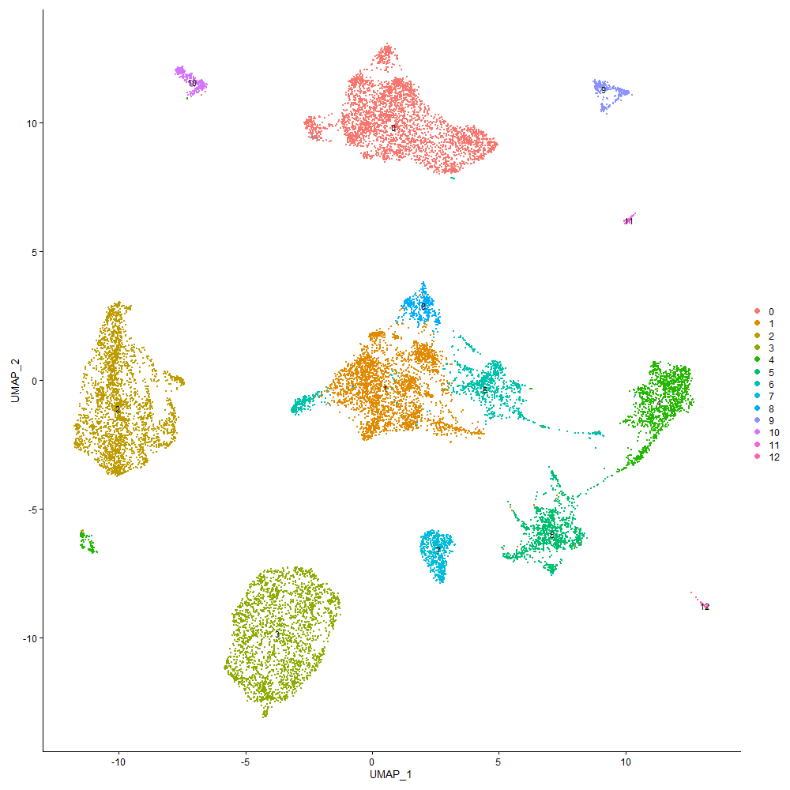

Cluster0
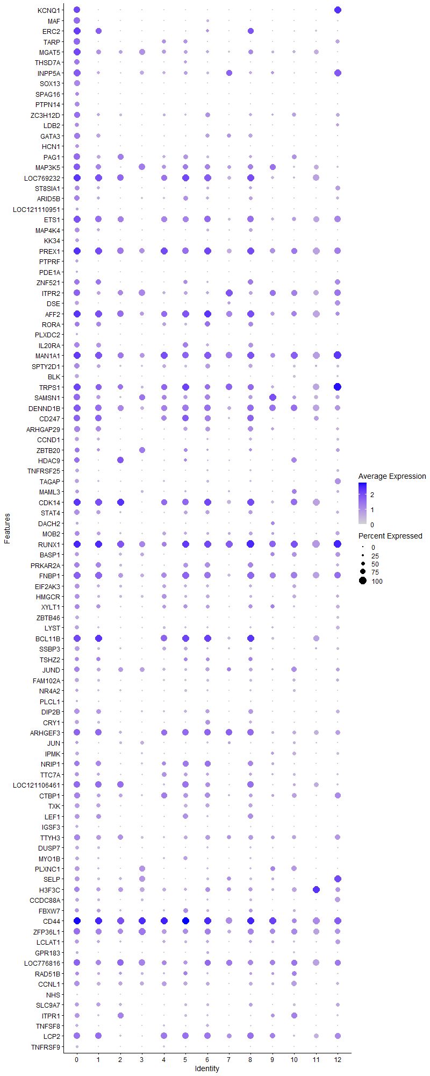
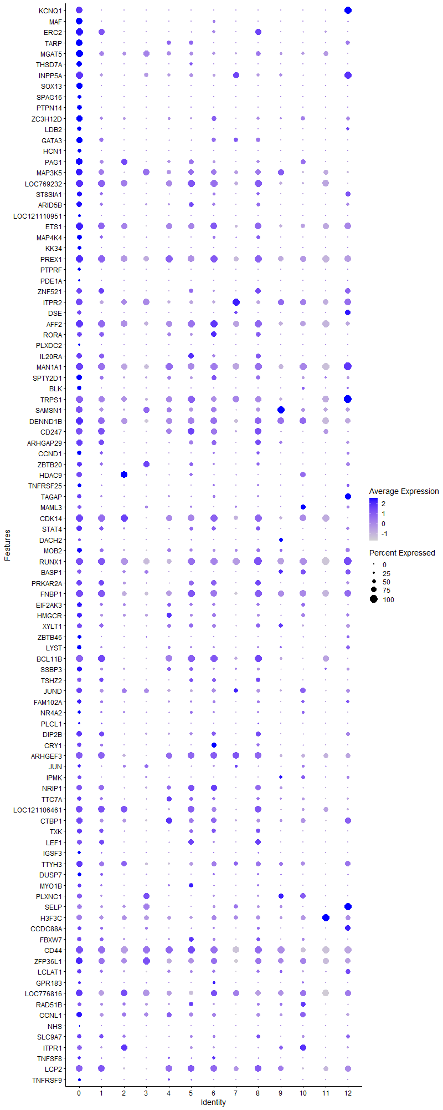
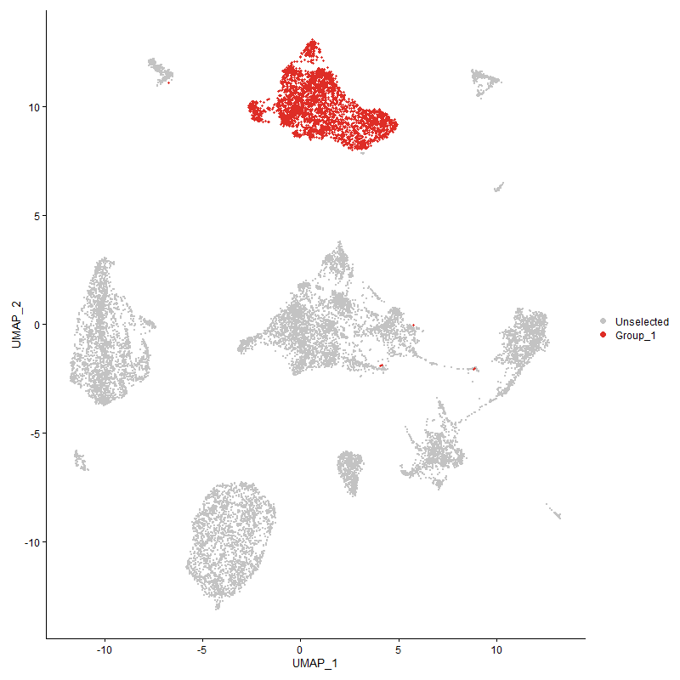
 | p_val | avg_log2FC | pct.1 | pct.2 | p_val_adj | cluster | gene
KCNQ1 | 0 | 2.8763538368 | 0.862 | 0.025 | 0 | 0 | KCNQ1
MAF | 0 | 2.1069986443 | 0.844 | 0.057 | 0 | 0 | MAF
ERC2 | 0 | 1.9191670438 | 0.933 | 0.254 | 0 | 0 | ERC2
TARP | 0 | 1.8828966942 | 0.884 | 0.141 | 0 | 0 | TARP
MGAT5 | 0 | 1.749636652 | 0.94 | 0.56 | 0 | 0 | MGAT5
THSD7A | 0 | 1.7322401177 | 0.715 | 0.055 | 0 | 0 | THSD7A
INPP5A | 0 | 1.6460992192 | 0.937 | 0.4 | 0 | 0 | INPP5A
SOX13 | 0 | 1.5900892601 | 0.82 | 0.012 | 0 | 0 | SOX13
SPAG16 | 0 | 1.5884101163 | 0.495 | 0.004 | 0 | 0 | SPAG16
PTPN14 | 0 | 1.5402293142 | 0.685 | 0.021 | 0 | 0 | PTPN14
ZC3H12D | 0 | 1.4760603084 | 0.831 | 0.304 | 0 | 0 | ZC3H12D
LDB2 | 0 | 1.4758084006 | 0.551 | 0.03 | 0 | 0 | LDB2
GATA3 | 0 | 1.3388542736 | 0.817 | 0.245 | 0 | 0 | GATA3
HCN1 | 0 | 1.2967492828 | 0.53 | 0.009 | 0 | 0 | HCN1
PAG1 | 0 | 1.2151515001 | 0.895 | 0.417 | 0 | 0 | PAG1
MAP3K5 | 0 | 1.1283748677 | 0.915 | 0.586 | 0 | 0 | MAP3K5
LOC769232 | 0 | 1.1192993508 | 0.987 | 0.713 | 0 | 0 | LOC769232
ST8SIA1 | 0 | 1.1094563628 | 0.68 | 0.173 | 0 | 0 | ST8SIA1
ARID5B | 0 | 1.1054445138 | 0.733 | 0.288 | 0 | 0 | ARID5B
LOC121110951 | 0 | 1.0950314483 | 0.305 | 0.003 | 0 | 0 | LOC121110951
ETS1 | 0 | 1.0949704217 | 0.95 | 0.667 | 0 | 0 | ETS1
MAP4K4 | 0 | 1.0935257929 | 0.685 | 0.182 | 0 | 0 | MAP4K4
KK34 | 0 | 1.0771095714 | 0.514 | 0.01 | 0 | 0 | KK34
PREX1 | 0 | 1.0552197704 | 0.99 | 0.863 | 0 | 0 | PREX1
PTPRF | 0 | 1.0386924414 | 0.41 | 0.006 | 0 | 0 | PTPRF
PDE1A | 0 | 1.0017073084 | 0.292 | 0.007 | 0 | 0 | PDE1A
ZNF521 | 0 | 0.99109000894 | 0.753 | 0.261 | 0 | 0 | ZNF521
ITPR2 | 0 | 0.98933793783 | 0.921 | 0.629 | 0 | 0 | ITPR2
DSE | 0 | 0.97472594653 | 0.558 | 0.046 | 0 | 0 | DSE
AFF2 | 0 | 0.9625845605 | 0.985 | 0.835 | 0 | 0 | AFF2
RORA | 0 | 0.94236888571 | 0.652 | 0.298 | 0 | 0 | RORA
PLXDC2 | 0 | 0.92539696769 | 0.261 | 0.004 | 0 | 0 | PLXDC2
IL20RA | 0 | 0.92223440809 | 0.756 | 0.268 | 0 | 0 | IL20RA
MAN1A1 | 0 | 0.91349781196 | 0.979 | 0.858 | 0 | 0 | MAN1A1
SPTY2D1 | 0 | 0.90158705491 | 0.756 | 0.372 | 0 | 0 | SPTY2D1
BLK | 0 | 0.89847204174 | 0.534 | 0.042 | 0 | 0 | BLK
TRPS1 | 0 | 0.8884233972 | 0.934 | 0.688 | 0 | 0 | TRPS1
SAMSN1 | 0 | 0.88634871788 | 0.893 | 0.548 | 0 | 0 | SAMSN1
DENND1B | 0 | 0.8837581181 | 0.958 | 0.762 | 0 | 0 | DENND1B
CD247 | 0 | 0.87211460952 | 0.913 | 0.473 | 0 | 0 | CD247
ARHGAP29 | 0 | 0.87022963345 | 0.771 | 0.34 | 0 | 0 | ARHGAP29
CCND1 | 0 | 0.86919010444 | 0.591 | 0.15 | 0 | 0 | CCND1
ZBTB20 | 7.2235362479E-253 | 0.84293284921 | 0.642 | 0.345 | 1.1031062204E-248 | 0 | ZBTB20
HDAC9 | 0 | 0.81733710506 | 0.701 | 0.315 | 0 | 0 | HDAC9
TNFRSF25 | 0 | 0.80982079674 | 0.508 | 0.094 | 0 | 0 | TNFRSF25
TAGAP | 0 | 0.7930830555 | 0.567 | 0.186 | 0 | 0 | TAGAP
MAML3 | 0 | 0.79191746409 | 0.468 | 0.16 | 0 | 0 | MAML3
CDK14 | 0 | 0.78255432562 | 0.98 | 0.726 | 0 | 0 | CDK14
STAT4 | 0 | 0.77810851214 | 0.723 | 0.311 | 0 | 0 | STAT4
DACH2 | 0 | 0.77031531459 | 0.323 | 0.05 | 0 | 0 | DACH2
MOB2 | 6.8279706522E-307 | 0.76835738664 | 0.652 | 0.336 | 1.0426993983E-302 | 0 | MOB2
RUNX1 | 0 | 0.74840894934 | 0.995 | 0.904 | 0 | 0 | RUNX1
BASP1 | 0 | 0.74262321117 | 0.597 | 0.219 | 0 | 0 | BASP1
PRKAR2A | 0 | 0.71198660082 | 0.764 | 0.413 | 0 | 0 | PRKAR2A
FNBP1 | 0 | 0.71009922263 | 0.939 | 0.744 | 0 | 0 | FNBP1
EIF2AK3 | 1.1621876641E-257 | 0.69485187573 | 0.621 | 0.342 | 1.7747767818E-253 | 0 | EIF2AK3
HMGCR | 3.5570336611E-239 | 0.69346529975 | 0.635 | 0.366 | 5.4319461039E-235 | 0 | HMGCR
XYLT1 | 7.0073271684E-219 | 0.67792651863 | 0.641 | 0.369 | 1.0700889319E-214 | 0 | XYLT1
ZBTB46 | 0 | 0.6704031283 | 0.506 | 0.111 | 0 | 0 | ZBTB46
LYST | 0 | 0.66860399067 | 0.565 | 0.207 | 0 | 0 | LYST
BCL11B | 0 | 0.66722956911 | 0.971 | 0.544 | 0 | 0 | BCL11B
SSBP3 | 0 | 0.66332112324 | 0.644 | 0.276 | 0 | 0 | SSBP3
TSHZ2 | 1.1654965619E-257 | 0.65359114546 | 0.55 | 0.236 | 1.7798297996E-253 | 0 | TSHZ2
JUND | 1.8693184979E-140 | 0.65181153139 | 0.69 | 0.534 | 2.8546362781E-136 | 0 | JUND
FAM102A | 0 | 0.64980098422 | 0.532 | 0.202 | 0 | 0 | FAM102A
NR4A2 | 2.0537363587E-191 | 0.64796082105 | 0.441 | 0.219 | 3.1362607934E-187 | 0 | NR4A2
PLCL1 | 5.7908579062E-224 | 0.64109436606 | 0.252 | 0.067 | 8.8432191085E-220 | 0 | PLCL1
DIP2B | 0 | 0.63756738126 | 0.719 | 0.383 | 0 | 0 | DIP2B
CRY1 | 0 | 0.63338151721 | 0.56 | 0.2 | 0 | 0 | CRY1
ARHGEF3 | 5.5459078519E-197 | 0.62983987792 | 0.861 | 0.6 | 8.4691558806E-193 | 0 | ARHGEF3
JUN | 2.7262321806E-100 | 0.62802427269 | 0.432 | 0.276 | 4.1632291629E-96 | 0 | JUN
IPMK | 0 | 0.62788194576 | 0.495 | 0.141 | 0 | 0 | IPMK
NRIP1 | 5.869640868E-217 | 0.62441952286 | 0.736 | 0.458 | 8.9635285695E-213 | 0 | NRIP1
TTC7A | 4.8514928603E-216 | 0.62249604852 | 0.606 | 0.336 | 7.4087147469E-212 | 0 | TTC7A
LOC121106461 | 6.8840584681E-246 | 0.62175019135 | 0.869 | 0.561 | 1.0512645687E-241 | 0 | LOC121106461
CTBP1 | 2.6499709035E-259 | 0.62076599356 | 0.78 | 0.501 | 4.0467705668E-255 | 0 | CTBP1
TXK | 0 | 0.61463082403 | 0.618 | 0.263 | 0 | 0 | TXK
LEF1 | 0 | 0.6045331465 | 0.642 | 0.263 | 0 | 0 | LEF1
IGSF3 | 0 | 0.60093690242 | 0.408 | 0.09 | 0 | 0 | IGSF3
TTYH3 | 3.7443565292E-278 | 0.59229009726 | 0.807 | 0.54 | 5.7180068557E-274 | 0 | TTYH3
DUSP7 | 0 | 0.57888859183 | 0.49 | 0.183 | 0 | 0 | DUSP7
MYO1B | 0 | 0.57553414517 | 0.494 | 0.158 | 0 | 0 | MYO1B
PLXNC1 | 2.696603888E-272 | 0.57292902922 | 0.621 | 0.304 | 4.1179837974E-268 | 0 | PLXNC1
SELP | 3.8536356381E-257 | 0.55705204078 | 0.682 | 0.393 | 5.884886983E-253 | 0 | SELP
H3F3C | 1.2498127392E-170 | 0.55460887356 | 0.735 | 0.589 | 1.908589034E-166 | 0 | H3F3C
CCDC88A | 1.5131699322E-289 | 0.55414619377 | 0.515 | 0.217 | 2.3107618034E-285 | 0 | CCDC88A
FBXW7 | 2.3395052572E-164 | 0.55041144247 | 0.558 | 0.316 | 3.5726584782E-160 | 0 | FBXW7
CD44 | 7.2335723106E-170 | 0.54623632566 | 0.993 | 0.967 | 1.1046388275E-165 | 0 | CD44
ZFP36L1 | 5.7614150987E-152 | 0.54526849823 | 0.865 | 0.783 | 8.7982569972E-148 | 0 | ZFP36L1
LCLAT1 | 8.292890325E-194 | 0.54507267941 | 0.568 | 0.309 | 1.2664072815E-189 | 0 | LCLAT1
GPR183 | 2.6292019354E-242 | 0.54236565362 | 0.363 | 0.127 | 4.0150542755E-238 | 0 | GPR183
LOC776816 | 9.8029726268E-141 | 0.53744671462 | 0.857 | 0.767 | 1.4970119498E-136 | 0 | LOC776816
RAD51B | 8.2737986579E-74 | 0.5362753141 | 0.478 | 0.334 | 1.263491793E-69 | 0 | RAD51B
CCNL1 | 1.9564465036E-158 | 0.53345870447 | 0.703 | 0.512 | 2.9876894557E-154 | 0 | CCNL1
NHS | 0 | 0.52883105603 | 0.152 | 0.007 | 0 | 0 | NHS
SLC9A7 | 6.5046052795E-203 | 0.52780324217 | 0.568 | 0.302 | 9.9331827224E-199 | 0 | SLC9A7
ITPR1 | 4.6769908521E-248 | 0.52345714768 | 0.629 | 0.305 | 7.1422327302E-244 | 0 | ITPR1
TNFSF8 | 0 | 0.52132569314 | 0.417 | 0.114 | 0 | 0 | TNFSF8
LCP2 | 2.6567402907E-239 | 0.51972462346 | 0.901 | 0.604 | 4.057108098E-235 | 0 | LCP2
TNFRSF9 | 0 | 0.51652262886 | 0.341 | 0.063 | 0 | 0 | TNFRSF9
CD3D | 1.2028668715E-215 | 0.51349131754 | 0.566 | 0.294 | 1.8368979995E-211 | 0 | CD3D
LBH | 0 | 0.51126255725 | 0.366 | 0.094 | 0 | 0 | LBH
ST6GAL1 | 2.3224502283E-156 | 0.5036875779 | 0.762 | 0.58 | 3.5466137436E-152 | 0 | ST6GAL1
KLF12 | 4.1805872682E-206 | 0.50173306894 | 0.798 | 0.496 | 6.3841748172E-202 | 0 | KLF12
IER5 | 2.6431949022E-166 | 0.50090908951 | 0.491 | 0.274 | 4.0364229352E-162 | 0 | IER5
HS6ST2 | 6.1607436804E-168 | 0.49762352444 | 0.538 | 0.29 | 9.4080716744E-164 | 0 | HS6ST2
LOC101752250 | 3.4788266764E-160 | 0.49531774969 | 0.405 | 0.19 | 5.3125162175E-156 | 0 | LOC101752250
LOC776275 | 1.0286862261E-174 | 0.49492280761 | 0.25 | 0.078 | 1.5709067359E-170 | 0 | LOC776275
LOC121113415 | 1.1780403586E-115 | 0.49118671051 | 0.395 | 0.214 | 1.7989854316E-111 | 0 | LOC121113415
ID2 | 1.3407136438E-218 | 0.4902025118 | 0.432 | 0.188 | 2.0474038054E-214 | 0 | ID2
LOC112532097 | 5.2223710854E-113 | 0.48865756209 | 0.241 | 0.1 | 7.9750828845E-109 | 0 | LOC112532097
ZNRF2 | 1.5886012978E-141 | 0.47871389815 | 0.824 | 0.632 | 2.4259530419E-137 | 0 | ZNRF2
DRD4 | 0 | 0.47617541886 | 0.273 | 0.004 | 0 | 0 | DRD4
NFKBIA | 5.4553288968E-104 | 0.47491085872 | 0.758 | 0.643 | 8.3308327583E-100 | 0 | NFKBIA
CD3E | 7.2282049843E-224 | 0.47453856862 | 0.532 | 0.255 | 1.1038191831E-219 | 0 | CD3E
PDPK1 | 4.3801741036E-151 | 0.47258178962 | 0.661 | 0.457 | 6.6889638736E-147 | 0 | PDPK1
GRAP2 | 2.9264917364E-230 | 0.47189466394 | 0.601 | 0.295 | 4.4690455306E-226 | 0 | GRAP2
PLEKHF2 | 0 | 0.47098797495 | 0.319 | 0.04 | 0 | 0 | PLEKHF2
BIRC2 | 4.8080497535E-171 | 0.47060994287 | 0.489 | 0.26 | 7.3423727785E-167 | 0 | BIRC2
EXTL3 | 5.6517579911E-209 | 0.46848167185 | 0.528 | 0.261 | 8.6307996283E-205 | 0 | EXTL3
GPC1 | 0 | 0.46759386884 | 0.187 | 0.002 | 0 | 0 | GPC1
SLK | 1.1980816846E-149 | 0.46192043496 | 0.813 | 0.655 | 1.8295905406E-145 | 0 | SLK
PPP1CB | 7.6056709725E-225 | 0.45939165909 | 0.514 | 0.247 | 1.1614620142E-220 | 0 | PPP1CB
SLC29A4 | 0 | 0.45413533325 | 0.331 | 0.048 | 0 | 0 | SLC29A4
NFATC2 | 5.8626683688E-218 | 0.45239831018 | 0.488 | 0.226 | 8.952880866E-214 | 0 | NFATC2
CRTC1 | 1.101422124E-267 | 0.45184610975 | 0.474 | 0.193 | 1.6819817256E-263 | 0 | CRTC1
ZMYND11 | 6.5253873719E-162 | 0.44803330986 | 0.738 | 0.503 | 9.9649190556E-158 | 0 | ZMYND11
CSRNP1 | 9.0667040004E-169 | 0.44613833575 | 0.387 | 0.18 | 1.3845763679E-164 | 0 | CSRNP1
LOC112532804 | 6.3160438872E-87 | 0.44547101026 | 0.12 | 0.036 | 9.6452306202E-83 | 0 | LOC112532804
DOCK10 | 2.9102233764E-136 | 0.4440111928 | 0.743 | 0.549 | 4.4442021181E-132 | 0 | DOCK10
PIK3C2A | 6.2051183081E-161 | 0.44251956071 | 0.419 | 0.205 | 9.4758361684E-157 | 0 | PIK3C2A
GALNT2 | 8.9087408327E-145 | 0.44082462818 | 0.463 | 0.248 | 1.3604538126E-140 | 0 | GALNT2
SLC5A1 | 4.6677305454E-181 | 0.44063521256 | 0.356 | 0.144 | 7.1280913159E-177 | 0 | SLC5A1
MLLT10 | 2.2195754081E-96 | 0.43318245845 | 0.658 | 0.492 | 3.3895136057E-92 | 0 | MLLT10
EEF1A1 | 2.6015238855E-68 | 0.43122926474 | 0.803 | 0.752 | 3.9727871256E-64 | 0 | EEF1A1
IL9R | 0 | 0.42503133811 | 0.25 | 0.002 | 0 | 0 | IL9R
MACROD2 | 7.133958055E-68 | 0.42490871807 | 0.531 | 0.377 | 1.0894267346E-63 | 0 | MACROD2
RXRA | 8.2368150743E-224 | 0.42265134722 | 0.411 | 0.167 | 1.25784403E-219 | 0 | RXRA
TNFSF11 | 5.8314463223E-211 | 0.42162710022 | 0.334 | 0.117 | 8.9052016787E-207 | 0 | TNFSF11
WWOX | 3.1950865052E-33 | 0.42069293033 | 0.452 | 0.353 | 4.8792166021E-29 | 0 | WWOX
PTPN7 | 1.692939345E-300 | 0.42040483825 | 0.406 | 0.132 | 2.5852876737E-296 | 0 | PTPN7
LOC107054342 | 9.2232449022E-159 | 0.41997219336 | 0.334 | 0.14 | 1.408481729E-154 | 0 | LOC107054342
TBXAS1 | 4.1215986355E-167 | 0.41782837738 | 0.513 | 0.257 | 6.2940932763E-163 | 0 | TBXAS1
PLAG1 | 0 | 0.41713330977 | 0.237 | 0.041 | 0 | 0 | PLAG1
ARHGAP6 | 8.5078222479E-106 | 0.41208055994 | 0.467 | 0.274 | 1.2992295355E-101 | 0 | ARHGAP6
BEND2 | 0 | 0.41184913565 | 0.267 | 0.03 | 0 | 0 | BEND2
CDC73 | 8.4418322463E-125 | 0.40765894221 | 0.565 | 0.357 | 1.2891522023E-120 | 0 | CDC73
RB1 | 1.4189931428E-120 | 0.40288217023 | 0.422 | 0.235 | 2.1669444284E-116 | 0 | RB1
LOC107049468 | 8.2300755429E-42 | 0.40069485769 | 0.392 | 0.296 | 1.2568148361E-37 | 0 | LOC107049468
BRSK1 | 1.6204151099E-152 | 0.400650783 | 0.805 | 0.508 | 2.4745359144E-148 | 0 | BRSK1
SESN3 | 1.1436009285E-159 | 0.40029219207 | 0.367 | 0.162 | 1.7463929779E-155 | 0 | SESN3
PSIP1 | 4.044924448E-149 | 0.39986773305 | 0.433 | 0.224 | 6.1770041245E-145 | 0 | PSIP1
LOC124416950 | 0 | 0.3987157674 | 0.214 | 0.02 | 0 | 0 | LOC124416950
FAM171A1 | 0 | 0.39635275481 | 0.193 | 0.001 | 0 | 0 | FAM171A1
CD82 | 1.3025466778E-158 | 0.39587177723 | 0.512 | 0.28 | 1.9891190317E-154 | 0 | CD82
PTPRC | 5.60169973E-166 | 0.39525483391 | 0.983 | 0.94 | 8.5543556577E-162 | 0 | PTPRC
GNAL | 4.9531671366E-119 | 0.39173828868 | 0.412 | 0.218 | 7.5639815343E-115 | 0 | GNAL
ARHGAP10 | 2.6387046282E-161 | 0.3915641424 | 0.412 | 0.189 | 4.0295658377E-157 | 0 | ARHGAP10
PTEN | 3.9577858259E-117 | 0.39093774486 | 0.588 | 0.405 | 6.0439347348E-113 | 0 | PTEN
PLCG1 | 3.151205214E-225 | 0.39038236835 | 0.48 | 0.209 | 4.8122054823E-221 | 0 | PLCG1
FUS | 7.7819109384E-95 | 0.38995010002 | 0.841 | 0.714 | 1.1883756194E-90 | 0 | FUS
ERBIN | 3.6888661534E-99 | 0.38326325135 | 0.764 | 0.594 | 5.6332675029E-95 | 0 | ERBIN
EGLN1 | 8.7435185538E-137 | 0.38246530659 | 0.426 | 0.225 | 1.3352227184E-132 | 0 | EGLN1
CDK19 | 1.3799218258E-99 | 0.3811925559 | 0.468 | 0.292 | 2.1072786202E-95 | 0 | CDK19
NCKAP5 | 5.5973083614E-237 | 0.38048509564 | 0.139 | 0.015 | 8.5476495987E-233 | 0 | NCKAP5
SLCO3A1 | 6.7991288383E-120 | 0.37748835604 | 0.499 | 0.282 | 1.0382949649E-115 | 0 | SLCO3A1
C1orf186 | 0 | 0.37689781069 | 0.247 | 0.002 | 0 | 0 | C1orf186
PDE8A | 7.4281273834E-89 | 0.37688907107 | 0.334 | 0.185 | 1.1343493327E-84 | 0 | PDE8A
PPP1R9A | 0 | 0.37586207386 | 0.233 | 0.038 | 0 | 0 | PPP1R9A
PRR5L | 0 | 0.37584396607 | 0.266 | 0.048 | 0 | 0 | PRR5L
ZAP70 | 0 | 0.37411367394 | 0.289 | 0.052 | 0 | 0 | ZAP70
SOBP | 1.3450254729E-232 | 0.37283071226 | 0.178 | 0.03 | 2.0539883997E-228 | 0 | SOBP
LOC101749809 | 1.0610385157E-159 | 0.37079753403 | 0.824 | 0.492 | 1.6203119173E-155 | 0 | LOC101749809
ZMIZ1 | 8.4885113285E-38 | 0.36857958019 | 0.2 | 0.122 | 1.296280565E-33 | 0 | ZMIZ1
ZFP36L2 | 4.6981600186E-98 | 0.36750766648 | 0.584 | 0.411 | 7.1745601644E-94 | 0 | ZFP36L2
KAT6B | 2.1078491825E-100 | 0.36669248869 | 0.512 | 0.321 | 3.2188964867E-96 | 0 | KAT6B
PTMA | 2.5042371778E-82 | 0.36431868669 | 0.849 | 0.776 | 3.8242205943E-78 | 0 | PTMA
SLC38A6 | 8.9367574882E-140 | 0.36302791569 | 0.472 | 0.254 | 1.364732236E-135 | 0 | SLC38A6
GRK4 | 5.8196163573E-113 | 0.36090640421 | 0.691 | 0.496 | 8.8871361392E-109 | 0 | GRK4
GPHN | 5.6618155473E-40 | 0.35832907534 | 0.333 | 0.233 | 8.6461585223E-36 | 0 | GPHN
CTDSPL | 3.3796124936E-112 | 0.35415088924 | 0.563 | 0.36 | 5.1610062389E-108 | 0 | CTDSPL
KLF9 | 1.9411594773E-269 | 0.35312307377 | 0.25 | 0.055 | 2.9643446378E-265 | 0 | KLF9
LCORL | 8.9856838419E-88 | 0.35233951507 | 0.483 | 0.314 | 1.3722037795E-83 | 0 | LCORL
IL2RA | 8.1079157801E-92 | 0.34780556409 | 0.172 | 0.064 | 1.2381598188E-87 | 0 | IL2RA
LOC429682 | 5.5317162125E-133 | 0.34589917554 | 0.382 | 0.192 | 8.4474838282E-129 | 0 | LOC429682
RPS16 | 8.1657678298E-35 | 0.34503720943 | 0.595 | 0.517 | 1.2469944053E-30 | 0 | RPS16
GARRE1 | 1.4476123362E-140 | 0.34356075356 | 0.357 | 0.167 | 2.2106487986E-136 | 0 | GARRE1
KCNJ15 | 0 | 0.34337901563 | 0.151 | 0 | 0 | 0 | KCNJ15
FAM53B | 1.3358473334E-162 | 0.34276759898 | 0.407 | 0.188 | 2.0399724628E-158 | 0 | FAM53B
TNFAIP8 | 2.9452164357E-85 | 0.34240828699 | 0.443 | 0.285 | 4.497640019E-81 | 0 | TNFAIP8
RPL14 | 5.9665590402E-45 | 0.34198590652 | 0.59 | 0.493 | 9.1115323103E-41 | 0 | RPL14
BOK | 0 | 0.34173765905 | 0.273 | 0.049 | 0 | 0 | BOK
ARVCF | 0 | 0.34132103749 | 0.184 | 0.009 | 0 | 0 | ARVCF
BTG1 | 1.1488370425E-64 | 0.33844267886 | 0.773 | 0.673 | 1.7543890476E-60 | 0 | BTG1
GALNT1 | 2.3482872238E-96 | 0.33831814512 | 0.466 | 0.29 | 3.5860694194E-92 | 0 | GALNT1
UBE2F | 1.7590953754E-163 | 0.33811714471 | 0.333 | 0.137 | 2.6863145477E-159 | 0 | UBE2F
CNTRL | 2.9826542307E-108 | 0.33749582118 | 0.472 | 0.283 | 4.5548112757E-104 | 0 | CNTRL
CRIM1 | 5.4177731855E-47 | 0.33474068943 | 0.346 | 0.232 | 8.2734814316E-43 | 0 | CRIM1
INPP4B | 4.1320348935E-142 | 0.33404265024 | 0.588 | 0.321 | 6.3100304858E-138 | 0 | INPP4B
ANKRD44 | 1.3222220675E-89 | 0.33208226733 | 0.92 | 0.838 | 2.0191653193E-85 | 0 | ANKRD44
BEND3 | 4.9558101422E-120 | 0.33195513926 | 0.373 | 0.189 | 7.5680176682E-116 | 0 | BEND3
IFNGR1 | 4.0099038343E-114 | 0.33049334208 | 0.483 | 0.288 | 6.1235241453E-110 | 0 | IFNGR1
PRKCB | 8.1661454595E-147 | 0.33028344669 | 0.4 | 0.19 | 1.2470520731E-142 | 0 | PRKCB
S100A11 | 4.6085859346E-157 | 0.32976225262 | 0.303 | 0.119 | 7.0377715807E-153 | 0 | S100A11
PLACL2 | 8.7369364389E-89 | 0.32731146172 | 0.68 | 0.483 | 1.3342175636E-84 | 0 | PLACL2
ZNF462 | 0 | 0.32705317264 | 0.192 | 0.022 | 0 | 0 | ZNF462
AKT3 | 3.9112753082E-270 | 0.32643273908 | 0.14 | 0.012 | 5.9729085231E-266 | 0 | AKT3
PQLC1 | 1.3387208916E-163 | 0.32623277474 | 0.242 | 0.079 | 2.0443606736E-159 | 0 | PQLC1
KCTD12B | 1.859896033E-167 | 0.32178579772 | 0.308 | 0.119 | 2.8402472319E-163 | 0 | KCTD12B
ACTN1 | 7.461046098E-80 | 0.32122099376 | 0.648 | 0.482 | 1.1393763496E-75 | 0 | ACTN1
ZCCHC24 | 2.8500118852E-102 | 0.32114107853 | 0.254 | 0.11 | 4.3522531499E-98 | 0 | ZCCHC24
SREK1 | 1.9186184006E-106 | 0.32104763264 | 0.555 | 0.347 | 2.9299221595E-102 | 0 | SREK1
FAM53A | 5.4254797394E-79 | 0.3202714869 | 0.577 | 0.399 | 8.2852501101E-75 | 0 | FAM53A
HTT | 4.3498274874E-78 | 0.31959981519 | 0.458 | 0.3 | 6.642621556E-74 | 0 | HTT
DNAJC10 | 6.1491295737E-251 | 0.31873836699 | 0.261 | 0.064 | 9.390335772E-247 | 0 | DNAJC10
PIBPPDD4L | 5.9194195221E-213 | 0.3186963398 | 0.301 | 0.097 | 9.0395455523E-209 | 0 | PIBPPDD4L
ATRN | 3.8785562327E-73 | 0.3169148862 | 0.598 | 0.437 | 5.9229432229E-69 | 0 | ATRN
SYTL2 | 1.9086507545E-270 | 0.31685162731 | 0.219 | 0.039 | 2.9147005671E-266 | 0 | SYTL2
C12orf75 | 2.1910838865E-143 | 0.31628603562 | 0.307 | 0.129 | 3.346004203E-139 | 0 | C12orf75
RPL35A | 1.4403204634E-34 | 0.31425336214 | 0.629 | 0.547 | 2.1995133797E-30 | 0 | RPL35A
UBR5 | 1.9777149361E-64 | 0.31227213202 | 0.557 | 0.421 | 3.0201684789E-60 | 0 | UBR5
ZNF704 | 8.4041547799E-75 | 0.31118787076 | 0.477 | 0.313 | 1.2833984764E-70 | 0 | ZNF704
IL1RL1 | 0 | 0.30996961306 | 0.186 | 0.004 | 0 | 0 | IL1RL1
SLC38A2 | 8.2251806167E-67 | 0.30664057457 | 0.5 | 0.358 | 1.256067332E-62 | 0 | SLC38A2
NFKB1 | 2.425769144E-53 | 0.30645158417 | 0.832 | 0.743 | 3.7043920598E-49 | 0 | NFKB1
RPLP2 | 4.5546195125E-16 | 0.30478851388 | 0.729 | 0.705 | 6.9553594576E-12 | 0 | RPLP2
RPS15A | 3.03879565E-25 | 0.30429326882 | 0.574 | 0.515 | 4.6405448371E-21 | 0 | RPS15A
ADD3 | 1.5763435187E-60 | 0.30226334246 | 0.672 | 0.538 | 2.4072341874E-56 | 0 | ADD3
TMEM120B | 4.6314470687E-145 | 0.30112490071 | 0.307 | 0.128 | 7.0726828185E-141 | 0 | TMEM120B
VIPR1 | 0 | 0.29908521212 | 0.15 | 0.003 | 0 | 0 | VIPR1
RPL29 | 2.9586754048E-26 | 0.29905324287 | 0.618 | 0.56 | 4.5181932107E-22 | 0 | RPL29
ARHGAP45 | 2.5046846026E-88 | 0.29899548202 | 0.538 | 0.372 | 3.8249038566E-84 | 0 | ARHGAP45
PTMS | 7.1559617549E-80 | 0.29373746908 | 0.42 | 0.261 | 1.0927869196E-75 | 0 | PTMS
DUSP6 | 2.0250489301E-266 | 0.293256667 | 0.183 | 0.027 | 3.0924522211E-262 | 0 | DUSP6
H3F3B | 9.6709363614E-40 | 0.29238087054 | 0.798 | 0.758 | 1.4768486918E-35 | 0 | H3F3B
IRF1 | 3.0930083939E-56 | 0.28963132045 | 0.366 | 0.238 | 4.7233331184E-52 | 0 | IRF1
NCOA3 | 1.1194423997E-75 | 0.28727645446 | 0.614 | 0.439 | 1.7095004886E-71 | 0 | NCOA3
RPL27A | 3.7790056644E-29 | 0.28504121991 | 0.512 | 0.435 | 5.7709195501E-25 | 0 | RPL27A
LOC101749460 | 0 | 0.2848658886 | 0.165 | 0.008 | 0 | 0 | LOC101749460
TTC39B | 5.8184903324E-68 | 0.28460779957 | 0.392 | 0.249 | 8.8854165867E-64 | 0 | TTC39B
FAM172A | 1.4925696994E-28 | 0.28426291543 | 0.553 | 0.469 | 2.2793031879E-24 | 0 | FAM172A
TRANK1 | 2.9904098689E-76 | 0.28399735872 | 0.387 | 0.236 | 4.5666549108E-72 | 0 | TRANK1
MAN1C1 | 1.9941414259E-128 | 0.28398256492 | 0.31 | 0.137 | 3.0452533715E-124 | 0 | MAN1C1
NAP1L1 | 1.0332945671E-77 | 0.28304329343 | 0.454 | 0.294 | 1.5779441333E-73 | 0 | NAP1L1
ACSL3 | 4.9496447492E-94 | 0.28217170254 | 0.383 | 0.212 | 7.5586024964E-90 | 0 | ACSL3
EXT1 | 8.3275496239E-62 | 0.28183337245 | 0.378 | 0.239 | 1.2717001031E-57 | 0 | EXT1
GNPTAB | 1.7806853825E-85 | 0.28121998162 | 0.369 | 0.212 | 2.7192846475E-81 | 0 | GNPTAB
EPB41L2 | 1.6253035442E-51 | 0.28098518462 | 0.48 | 0.349 | 2.4820010424E-47 | 0 | EPB41L2
RPS28 | 1.1338188559E-43 | 0.28082512539 | 0.748 | 0.683 | 1.7314547748E-39 | 0 | RPS28
CYFIP1 | 2.3514582591E-98 | 0.2774725323 | 0.334 | 0.174 | 3.5909119074E-94 | 0 | CYFIP1
LOC100858579 | 0 | 0.27724834834 | 0.13 | 0.006 | 0 | 0 | LOC100858579
SLC24A4 | 1.9241758537E-123 | 0.2758782793 | 0.469 | 0.252 | 2.9384089462E-119 | 0 | SLC24A4
CPD | 1.2554347423E-217 | 0.27516039516 | 0.252 | 0.067 | 1.917174395E-213 | 0 | CPD
FYN | 1.4148809112E-65 | 0.2746516597 | 0.813 | 0.677 | 2.1606646395E-61 | 0 | FYN
LOC121109066 | 4.348156207E-79 | 0.27421144829 | 0.838 | 0.657 | 6.6400693437E-75 | 0 | LOC121109066
LOC101750540 | 0 | 0.27398615868 | 0.165 | 0.002 | 0 | 0 | LOC101750540
CLIP1 | 1.2168117315E-79 | 0.27137705556 | 0.297 | 0.16 | 1.8581931952E-75 | 0 | CLIP1
STARD8 | 7.8625446402E-170 | 0.27087436847 | 0.259 | 0.086 | 1.200689192E-165 | 0 | STARD8
CDC42SE2 | 2.6689091239E-34 | 0.27074052893 | 0.464 | 0.366 | 4.0756911232E-30 | 0 | CDC42SE2
IKZF1 | 5.355156604E-63 | 0.26920725577 | 0.852 | 0.713 | 8.17785965E-59 | 0 | IKZF1
LOC107053920 | 7.9277741021E-59 | 0.26887362246 | 0.238 | 0.129 | 1.2106503831E-54 | 0 | LOC107053920
DUSP16 | 4.8069534171E-173 | 0.26867051635 | 0.168 | 0.037 | 7.3406985633E-169 | 0 | DUSP16
LOC421419 | 9.1999538655E-68 | 0.26560453197 | 0.273 | 0.15 | 1.4049249548E-63 | 0 | LOC421419
DIP2C | 4.7100447352E-57 | 0.26455898599 | 0.217 | 0.113 | 7.1927093151E-53 | 0 | DIP2C
RUNX2 | 5.4039823655E-93 | 0.26414528017 | 0.339 | 0.175 | 8.2524214703E-89 | 0 | RUNX2
PLAGL1 | 1.1896332257E-73 | 0.26383405796 | 0.374 | 0.223 | 1.816688899E-69 | 0 | PLAGL1
TOX2 | 2.1079370964E-98 | 0.26334833321 | 0.444 | 0.25 | 3.2190307399E-94 | 0 | TOX2
LOC101748259 | 3.1586226053E-177 | 0.26319562282 | 0.228 | 0.066 | 4.8235325805E-173 | 0 | LOC101748259
RABGAP1L | 1.3265943587E-61 | 0.26304570618 | 0.638 | 0.49 | 2.0258422452E-57 | 0 | RABGAP1L
RPL21 | 9.4172829531E-22 | 0.26046888357 | 0.735 | 0.712 | 1.4381132798E-17 | 0 | RPL21
RPS29 | 7.4503106857E-42 | 0.26003572031 | 0.604 | 0.504 | 1.1377369448E-37 | 0 | RPS29
ADAM33 | 1.9559048249E-74 | 0.25976416805 | 0.397 | 0.247 | 2.9868622581E-70 | 0 | ADAM33
LOC100859072 | 7.4412376272E-53 | 0.25897552495 | 0.504 | 0.373 | 1.1363513981E-48 | 0 | LOC100859072
RPL35 | 5.9056054269E-30 | 0.2589628196 | 0.582 | 0.512 | 9.0184500474E-26 | 0 | RPL35
SPTBN1 | 4.0528491666E-50 | 0.25781064244 | 0.79 | 0.718 | 6.1891059623E-46 | 0 | SPTBN1
STXBP5 | 7.5069741245E-49 | 0.25674606806 | 0.688 | 0.557 | 1.1463900185E-44 | 0 | STXBP5
LOC107056413 | 5.3489552397E-63 | 0.25660135397 | 0.538 | 0.387 | 8.1683895466E-59 | 0 | LOC107056413
PIAS1 | 5.9476488653E-52 | 0.25451815704 | 0.577 | 0.443 | 9.0826545822E-48 | 0 | PIAS1
POC1B | 2.1544488364E-93 | 0.25394748647 | 0.218 | 0.092 | 3.2900588181E-89 | 0 | POC1B
LOC124417089 | 7.1373656421E-146 | 0.25351023551 | 0.238 | 0.081 | 1.0899471072E-141 | 0 | LOC124417089
KNOP1 | 9.9806029944E-150 | 0.25340346457 | 0.207 | 0.063 | 1.5241378833E-145 | 0 | KNOP1
NEDD4 | 7.0410498352E-53 | 0.25270797333 | 0.408 | 0.277 | 1.0752387203E-48 | 0 | NEDD4
EZR | 1.7668466992E-78 | 0.25223892762 | 0.307 | 0.165 | 2.6981515943E-74 | 0 | EZR
ANKRD28 | 1.6512350443E-56 | 0.25184111637 | 0.347 | 0.217 | 2.5216010361E-52 | 0 | ANKRD28
FAM65B | 6.60847471E-69 | 0.25144467608 | 0.726 | 0.551 | 1.009180173E-64 | 0 | FAM65B
FBXL7 | 1.1582073777E-187 | 0.25102006341 | 0.1 | 0.009 | 1.7686984864E-183 | 0 | FBXL7
SLC9A9 | 9.438495553E-46 | 0.25054273731 | 0.732 | 0.611 | 1.4413526559E-41 | 0 | SLC9A9

Cluster1
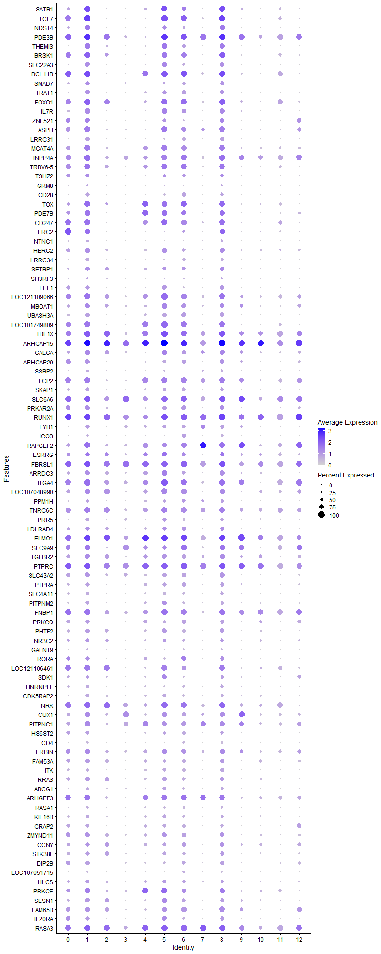
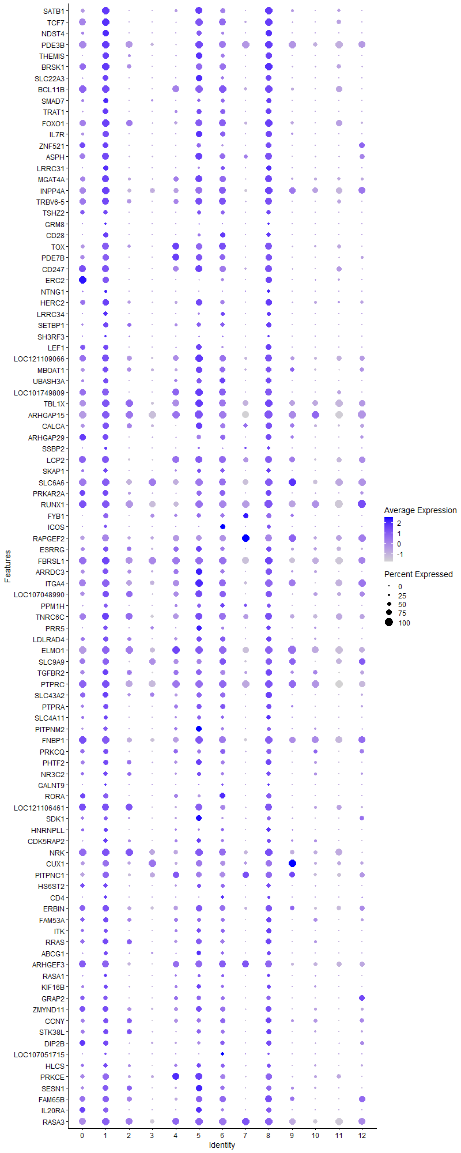
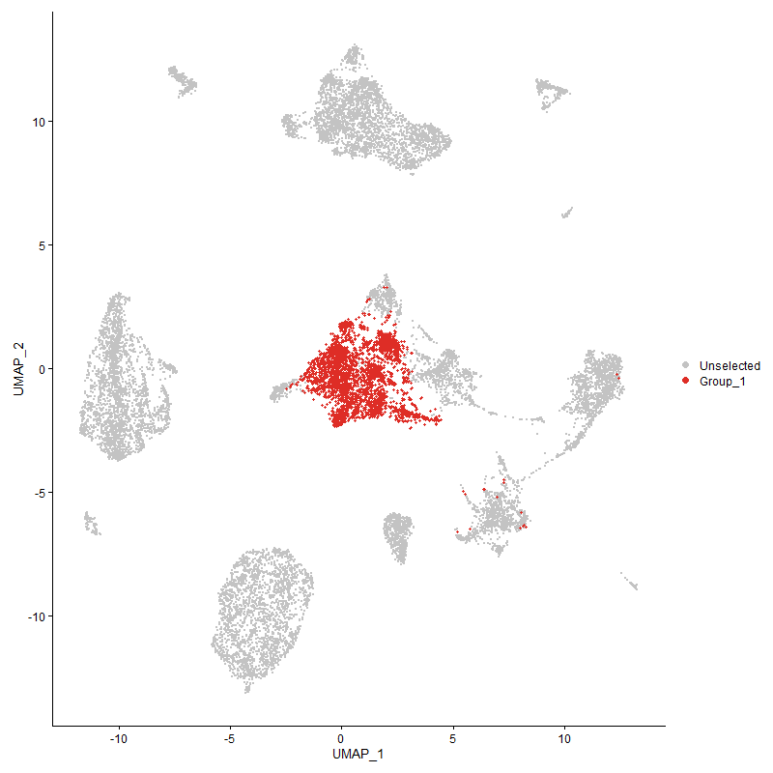
 | p_val | avg_log2FC | pct.1 | pct.2 | p_val_adj | cluster | gene
SATB1 | 0 | 1.90955349 | 0.966 | 0.342 | 0 | 1 | SATB1
TCF7 | 0 | 1.8892836051 | 0.989 | 0.434 | 0 | 1 | TCF7
NDST4 | 0 | 1.5404798371 | 0.779 | 0.189 | 0 | 1 | NDST4
PDE3B | 0 | 1.4258198288 | 0.995 | 0.761 | 0 | 1 | PDE3B
THEMIS | 0 | 1.4065806848 | 0.808 | 0.209 | 0 | 1 | THEMIS
BRSK11 | 0 | 1.2450604927 | 0.932 | 0.49 | 0 | 1 | BRSK1
SLC22A3 | 0 | 1.1679137735 | 0.743 | 0.17 | 0 | 1 | SLC22A3
BCL11B1 | 0 | 1.145989969 | 0.989 | 0.553 | 0 | 1 | BCL11B
SMAD7 | 0 | 1.0811717705 | 0.636 | 0.232 | 0 | 1 | SMAD7
TRAT1 | 0 | 1.0793858565 | 0.741 | 0.209 | 0 | 1 | TRAT1
FOXO1 | 0 | 1.048791377 | 0.945 | 0.63 | 0 | 1 | FOXO1
IL7R | 0 | 1.0479372906 | 0.781 | 0.26 | 0 | 1 | IL7R
ZNF5211 | 0 | 1.0414423792 | 0.763 | 0.273 | 0 | 1 | ZNF521
ASPH | 0 | 0.99111425068 | 0.851 | 0.439 | 0 | 1 | ASPH
LRRC31 | 0 | 0.98655103592 | 0.626 | 0.107 | 0 | 1 | LRRC31
MGAT4A | 0 | 0.96871669541 | 0.873 | 0.517 | 0 | 1 | MGAT4A
INPP4A | 0 | 0.92952712024 | 0.928 | 0.681 | 0 | 1 | INPP4A
TRBV6-5 | 0 | 0.91801258827 | 0.888 | 0.541 | 0 | 1 | TRBV6-5
TSHZ21 | 1.326333154E-304 | 0.8659725698 | 0.578 | 0.239 | 2.0254433595E-300 | 1 | TSHZ2
GRM8 | 1.2121916937E-266 | 0.85962141977 | 0.253 | 0.055 | 1.8511379354E-262 | 1 | GRM8
CD28 | 0 | 0.8517730898 | 0.629 | 0.12 | 0 | 1 | CD28
TOX | 0 | 0.8452653162 | 0.848 | 0.455 | 0 | 1 | TOX
PDE7B | 0 | 0.83796942355 | 0.774 | 0.381 | 0 | 1 | PDE7B
CD2471 | 0 | 0.80923336952 | 0.882 | 0.493 | 0 | 1 | CD247
ERC21 | 0 | 0.80874423794 | 0.779 | 0.307 | 0 | 1 | ERC2
NTNG1 | 0 | 0.7822207596 | 0.362 | 0.077 | 0 | 1 | NTNG1
HERC2 | 0 | 0.76239015064 | 0.788 | 0.447 | 0 | 1 | HERC2
LRRC34 | 0 | 0.76162040294 | 0.552 | 0.108 | 0 | 1 | LRRC34
SETBP1 | 2.4685296276E-230 | 0.75976476105 | 0.609 | 0.313 | 3.7696915943E-226 | 1 | SETBP1
SH3RF3 | 4.7033012649E-180 | 0.75262064611 | 0.292 | 0.1 | 7.1824113616E-176 | 1 | SH3RF3
LEF11 | 0 | 0.73291374087 | 0.659 | 0.271 | 0 | 1 | LEF1
LOC1211090661 | 0 | 0.72782314911 | 0.915 | 0.646 | 0 | 1 | LOC121109066
MBOAT1 | 4.926457641E-248 | 0.72065607325 | 0.76 | 0.489 | 7.5231934635E-244 | 1 | MBOAT1
UBASH3A | 0 | 0.71923806226 | 0.674 | 0.254 | 0 | 1 | UBASH3A
LOC1017498091 | 0 | 0.71907352808 | 0.884 | 0.489 | 0 | 1 | LOC101749809
TBL1X | 5.6970913638E-292 | 0.70599179643 | 0.962 | 0.785 | 8.7000282217E-288 | 1 | TBL1X
ARHGAP15 | 0 | 0.6730125968 | 0.999 | 0.98 | 0 | 1 | ARHGAP15
CALCA | 2.6661225665E-230 | 0.6705627868 | 0.774 | 0.488 | 4.0714357713E-226 | 1 | CALCA
ARHGAP291 | 5.8091882159E-301 | 0.66184019089 | 0.723 | 0.363 | 8.8712113244E-297 | 1 | ARHGAP29
SSBP2 | 3.518084465E-254 | 0.65817005247 | 0.37 | 0.12 | 5.3724667866E-250 | 1 | SSBP2
LCP21 | 4.9003242854E-289 | 0.64569420208 | 0.909 | 0.611 | 7.4832852163E-285 | 1 | LCP2
SKAP1 | 0 | 0.64471448892 | 0.573 | 0.225 | 0 | 1 | SKAP1
SLC6A6 | 2.138918409E-243 | 0.64110421851 | 0.974 | 0.866 | 3.2663423024E-239 | 1 | SLC6A6
PRKAR2A1 | 5.1102756016E-235 | 0.64041206026 | 0.724 | 0.432 | 7.8039018712E-231 | 1 | PRKAR2A
RUNX11 | 3.9358597283E-300 | 0.63885204294 | 0.994 | 0.907 | 6.0104513911E-296 | 1 | RUNX1
FYB1 | 2.331072254E-279 | 0.62573479339 | 0.63 | 0.297 | 3.5597804391E-275 | 1 | FYB1
ICOS | 0 | 0.6238420429 | 0.45 | 0.097 | 0 | 1 | ICOS
RAPGEF2 | 0 | 0.62365005279 | 0.89 | 0.596 | 0 | 1 | RAPGEF2
ESRRG | 2.610603036E-110 | 0.62218615718 | 0.665 | 0.481 | 3.9866518962E-106 | 1 | ESRRG
FBRSL1 | 2.0629699643E-303 | 0.62011738525 | 0.991 | 0.942 | 3.1503614325E-299 | 1 | FBRSL1
ARRDC3 | 9.8261134876E-218 | 0.61838386958 | 0.73 | 0.471 | 1.5005457907E-213 | 1 | ARRDC3
ITGA4 | 5.1977597046E-279 | 0.61025334662 | 0.952 | 0.76 | 7.9374988449E-275 | 1 | ITGA4
LOC107048990 | 4.9582927698E-238 | 0.60670253202 | 0.825 | 0.571 | 7.5718088887E-234 | 1 | LOC107048990
PPM1H | 7.9726452012E-232 | 0.60148839704 | 0.509 | 0.217 | 1.2175026487E-227 | 1 | PPM1H
TNRC6C | 6.34287803E-254 | 0.59543467947 | 0.911 | 0.727 | 9.6862090397E-250 | 1 | TNRC6C
PRR5 | 1.76180452E-278 | 0.59510819916 | 0.542 | 0.231 | 2.6904516825E-274 | 1 | PRR5
LDLRAD4 | 1.2704247647E-151 | 0.59448431681 | 0.625 | 0.395 | 1.9400656582E-147 | 1 | LDLRAD4
ELMO1 | 1.5561098146E-282 | 0.58902513159 | 0.995 | 0.901 | 2.3763352979E-278 | 1 | ELMO1
SLC9A91 | 1.1818357258E-158 | 0.58886363825 | 0.8 | 0.6 | 1.8047813369E-154 | 1 | SLC9A9
TGFBR2 | 6.402680247E-180 | 0.58325461956 | 0.764 | 0.534 | 9.7775330052E-176 | 1 | TGFBR2
PTPRC1 | 5.9068763104E-269 | 0.58054328568 | 0.99 | 0.94 | 9.0203908137E-265 | 1 | PTPRC
SLC43A2 | 2.7267437485E-223 | 0.57581025945 | 0.751 | 0.496 | 4.1640103783E-219 | 1 | SLC43A2
PTPRA | 8.1198790245E-271 | 0.5726490394 | 0.655 | 0.326 | 1.2399867258E-266 | 1 | PTPRA
SLC4A11 | 1.8023247111E-295 | 0.56658885096 | 0.519 | 0.205 | 2.7523300663E-291 | 1 | SLC4A11
PITPNM2 | 1.5782869328E-275 | 0.56518841498 | 0.567 | 0.241 | 2.410201975E-271 | 1 | PITPNM2
FNBP11 | 9.5534414979E-240 | 0.55938843629 | 0.943 | 0.749 | 1.4589060511E-235 | 1 | FNBP1
PRKCQ | 4.3906260559E-219 | 0.5569820665 | 0.654 | 0.358 | 6.70492505E-215 | 1 | PRKCQ
PHTF2 | 1.3161309513E-202 | 0.54624867454 | 0.681 | 0.415 | 2.0098635758E-198 | 1 | PHTF2
NR3C2 | 1.0093322222E-134 | 0.54556516875 | 0.556 | 0.327 | 1.5413512365E-130 | 1 | NR3C2
GALNT9 | 1.5726796565E-195 | 0.54259965019 | 0.268 | 0.08 | 2.4016391035E-191 | 1 | GALNT9
RORA1 | 4.1405378651E-240 | 0.54066380267 | 0.648 | 0.31 | 6.3230153738E-236 | 1 | RORA
LOC1211064611 | 6.0696002767E-196 | 0.53897455397 | 0.864 | 0.572 | 9.2688865825E-192 | 1 | LOC121106461
SDK1 | 4.9729684297E-140 | 0.53801942232 | 0.519 | 0.288 | 7.594220089E-136 | 1 | SDK1
HNRNPLL | 1.2350902258E-239 | 0.53455677325 | 0.51 | 0.222 | 1.8861062838E-235 | 1 | HNRNPLL
CDK5RAP2 | 1.0128549861E-208 | 0.52768690775 | 0.538 | 0.269 | 1.5467308492E-204 | 1 | CDK5RAP2
NRK | 1.1984729425E-223 | 0.52567931368 | 0.971 | 0.827 | 1.8301880306E-219 | 1 | NRK
CUX1 | 2.2536637573E-173 | 0.52229331756 | 0.799 | 0.583 | 3.4415699237E-169 | 1 | CUX1
PITPNC1 | 3.9449557258E-170 | 0.5208779144 | 0.803 | 0.601 | 6.0243418889E-166 | 1 | PITPNC1
HS6ST21 | 1.5356380299E-152 | 0.51950631412 | 0.538 | 0.297 | 2.3450728354E-148 | 1 | HS6ST2
CD4 | 0 | 0.51828201941 | 0.379 | 0.063 | 0 | 1 | CD4
ERBIN1 | 4.3562773942E-171 | 0.51605306898 | 0.793 | 0.593 | 6.6524712086E-167 | 1 | ERBIN
FAM53A1 | 5.4352397007E-144 | 0.51135538071 | 0.625 | 0.394 | 8.3001545469E-140 | 1 | FAM53A
ITK | 8.5947318669E-237 | 0.50859196446 | 0.526 | 0.232 | 1.3125015034E-232 | 1 | ITK
RRAS | 2.210230475E-175 | 0.50713563058 | 0.711 | 0.458 | 3.3752429584E-171 | 1 | RRAS
ABCG1 | 8.3594245279E-161 | 0.50666753147 | 0.477 | 0.247 | 1.2765677196E-156 | 1 | ABCG1
ARHGEF31 | 1.656886304E-189 | 0.50657795224 | 0.876 | 0.604 | 2.5302310748E-185 | 1 | ARHGEF3
RASA1 | 3.0163978854E-215 | 0.50363902022 | 0.424 | 0.171 | 4.6063412107E-211 | 1 | RASA1
KIF16B | 2.639501251E-167 | 0.50338830208 | 0.506 | 0.266 | 4.0307823604E-163 | 1 | KIF16B
GRAP21 | 1.4974528022E-219 | 0.49815287795 | 0.606 | 0.303 | 2.2867601742E-215 | 1 | GRAP2
ZMYND111 | 3.4685347184E-162 | 0.49686641523 | 0.74 | 0.51 | 5.2967993685E-158 | 1 | ZMYND11
CCNY | 6.8410982587E-119 | 0.48625019655 | 0.66 | 0.448 | 1.0447041151E-114 | 1 | CCNY
STK38L | 1.34566133E-162 | 0.48291420851 | 0.648 | 0.393 | 2.054959417E-158 | 1 | STK38L
DIP2B1 | 1.7516745808E-196 | 0.4798171444 | 0.684 | 0.4 | 2.6749822523E-192 | 1 | DIP2B
LOC107051715 | 7.1795511077E-245 | 0.47897879839 | 0.261 | 0.062 | 1.0963892497E-240 | 1 | LOC107051715
HLCS | 2.0688673493E-99 | 0.47895858635 | 0.536 | 0.342 | 3.1593673292E-95 | 1 | HLCS
PRKCE | 3.4090336995E-149 | 0.47520172337 | 0.779 | 0.53 | 5.2059353625E-145 | 1 | PRKCE
SESN1 | 1.3393693228E-177 | 0.4749258404 | 0.691 | 0.401 | 2.0453508928E-173 | 1 | SESN1
FAM65B1 | 2.2241595226E-162 | 0.47445923013 | 0.78 | 0.545 | 3.3965140069E-158 | 1 | FAM65B
IL20RA1 | 1.0658104657E-233 | 0.46962808292 | 0.65 | 0.304 | 1.6275991622E-229 | 1 | IL20RA
RASA3 | 1.1492762596E-157 | 0.46902862295 | 0.967 | 0.857 | 1.755059776E-153 | 1 | RASA3
IKZF11 | 2.5579761788E-143 | 0.46542278675 | 0.881 | 0.711 | 3.9062854226E-139 | 1 | IKZF1
GPR65 | 6.0226955047E-188 | 0.46522710007 | 0.47 | 0.222 | 9.1972583052E-184 | 1 | GPR65
ADD31 | 7.2379918543E-116 | 0.46420659793 | 0.707 | 0.535 | 1.1053137361E-111 | 1 | ADD3
AEBP2 | 3.4468579724E-149 | 0.46340256916 | 0.495 | 0.268 | 5.2636968096E-145 | 1 | AEBP2
ITGA1 | 2.630121807E-165 | 0.46244269472 | 0.47 | 0.23 | 4.0164590115E-161 | 1 | ITGA1
SLC24A3 | 6.5466368184E-157 | 0.46046273053 | 0.559 | 0.318 | 9.9973690854E-153 | 1 | SLC24A3
IMMP2L | 8.5533133577E-49 | 0.4603289656 | 0.387 | 0.26 | 1.3061764829E-44 | 1 | IMMP2L
SOS1 | 1.521041221E-204 | 0.45929959158 | 0.518 | 0.248 | 2.3227820485E-200 | 1 | SOS1
MACROD21 | 2.152825154E-65 | 0.4582248195 | 0.531 | 0.382 | 3.2875792927E-61 | 1 | MACROD2
ARAP2 | 5.3326675324E-164 | 0.45705820142 | 0.766 | 0.517 | 8.1435165888E-160 | 1 | ARAP2
CELF2 | 3.884039159E-148 | 0.45381976007 | 0.965 | 0.911 | 5.9313161997E-144 | 1 | CELF2
CBLB | 1.0105273631E-187 | 0.45304541951 | 0.885 | 0.632 | 1.5431763362E-183 | 1 | CBLB
WWOX1 | 5.0203827576E-40 | 0.45178518358 | 0.469 | 0.353 | 7.6666265091E-36 | 1 | WWOX
UGT8 | 0 | 0.45165388055 | 0.334 | 0.079 | 0 | 1 | UGT8
ARHGAP101 | 1.7561618079E-175 | 0.44555368101 | 0.434 | 0.191 | 2.6818346969E-171 | 1 | ARHGAP10
NCK1 | 1.162078542E-139 | 0.44506456552 | 0.687 | 0.451 | 1.7746101414E-135 | 1 | NCK1
CNTNAP2 | 1.5614392652E-108 | 0.44445685249 | 0.172 | 0.055 | 2.3844739019E-104 | 1 | CNTNAP2
ABI1 | 1.6123128019E-126 | 0.44252744115 | 0.825 | 0.654 | 2.4621628798E-122 | 1 | ABI1
DAPK1 | 6.1086907028E-111 | 0.44235796933 | 0.816 | 0.674 | 9.3285815723E-107 | 1 | DAPK1
ANO10 | 2.5068848395E-97 | 0.43631181751 | 0.193 | 0.073 | 3.8282638384E-93 | 1 | ANO10
PDSS2 | 1.0746475971E-119 | 0.43597623191 | 0.41 | 0.215 | 1.6410943455E-115 | 1 | PDSS2
LRBA | 7.7013738301E-135 | 0.43452434581 | 0.923 | 0.766 | 1.1760767976E-130 | 1 | LRBA
PPP1R12A | 1.2442418185E-139 | 0.43319706541 | 0.904 | 0.8 | 1.9000816811E-135 | 1 | PPP1R12A
KLF13 | 6.118046454E-109 | 0.43274665614 | 0.726 | 0.557 | 9.3428687399E-105 | 1 | KLF13
MANBA | 1.7562290576E-138 | 0.43112619339 | 0.331 | 0.143 | 2.6819373939E-134 | 1 | MANBA
SLCO3A11 | 3.6416540719E-167 | 0.43045150924 | 0.545 | 0.279 | 5.5611699332E-163 | 1 | SLCO3A1
TSNARE1 | 7.3492135728E-108 | 0.42832702697 | 0.544 | 0.33 | 1.1222984047E-103 | 1 | TSNARE1
NRP1 | 6.2860864268E-207 | 0.42733496926 | 0.335 | 0.11 | 9.5994825824E-203 | 1 | NRP1
CEP85L | 1.6206369847E-107 | 0.42447873209 | 0.815 | 0.661 | 2.4748747394E-103 | 1 | CEP85L
TXK1 | 1.0165317435E-185 | 0.42151426042 | 0.565 | 0.285 | 1.5523456256E-181 | 1 | TXK
LOC121113203 | 0 | 0.42145489222 | 0.298 | 0.059 | 0 | 1 | LOC121113203
PPM1A | 5.6554856764E-177 | 0.42122526774 | 0.48 | 0.236 | 8.6364921764E-173 | 1 | PPM1A
NFKB11 | 1.2020258404E-107 | 0.41953474765 | 0.868 | 0.738 | 1.8356136609E-103 | 1 | NFKB1
APBB1IP | 1.4067733984E-99 | 0.41776510498 | 0.779 | 0.631 | 2.1482836567E-95 | 1 | APBB1IP
SNRK | 3.734000921E-138 | 0.41766853945 | 0.542 | 0.308 | 5.7021928065E-134 | 1 | SNRK
SLA | 2.5044174677E-107 | 0.41761048258 | 0.676 | 0.45 | 3.8244959149E-103 | 1 | SLA
PHACTR2 | 9.5125606318E-131 | 0.41749281353 | 0.459 | 0.243 | 1.4526631341E-126 | 1 | PHACTR2
TNS3 | 5.377938948E-144 | 0.416104836 | 0.458 | 0.237 | 8.2126505675E-140 | 1 | TNS3
SMCHD1 | 9.0213019143E-110 | 0.41341665154 | 0.689 | 0.509 | 1.3776430153E-105 | 1 | SMCHD1
KLF121 | 8.8058056913E-167 | 0.41336159886 | 0.807 | 0.503 | 1.3447345871E-162 | 1 | KLF12
TSPAN18 | 0 | 0.4086750873 | 0.296 | 0.062 | 0 | 1 | TSPAN18
SLC9A71 | 2.9213109868E-132 | 0.40821033867 | 0.544 | 0.315 | 4.4611340079E-128 | 1 | SLC9A7
PLCL2 | 9.6924165287E-90 | 0.40257540552 | 0.678 | 0.508 | 1.4801289281E-85 | 1 | PLCL2
LOC107052984 | 0 | 0.39953942367 | 0.212 | 0.017 | 0 | 1 | LOC107052984
PLXNB2 | 2.7634901074E-203 | 0.39702056671 | 0.206 | 0.046 | 4.220125743E-199 | 1 | PLXNB2
SREK11 | 3.6349396671E-126 | 0.39046458517 | 0.571 | 0.35 | 5.5509163656E-122 | 1 | SREK1
LOC1017522501 | 1.9807120151E-90 | 0.38689438844 | 0.373 | 0.203 | 3.0247453182E-86 | 1 | LOC101752250
ACSL31 | 8.6806279151E-149 | 0.38400293598 | 0.429 | 0.208 | 1.3256186889E-144 | 1 | ACSL3
P2RY8 | 2.2818445591E-96 | 0.38355977371 | 0.865 | 0.688 | 3.4846048263E-92 | 1 | P2RY8
RAPH1 | 8.119853541E-86 | 0.38234150262 | 0.268 | 0.128 | 1.2399828342E-81 | 1 | RAPH1
SYNE1 | 2.5146677185E-121 | 0.38010854685 | 0.929 | 0.735 | 3.8401490729E-117 | 1 | SYNE1
EXTL31 | 1.8940905374E-127 | 0.38009224629 | 0.495 | 0.276 | 2.8924656597E-123 | 1 | EXTL3
DPEP2 | 1.0436284346E-276 | 0.37869755859 | 0.251 | 0.051 | 1.5937249825E-272 | 1 | DPEP2
ZNF7041 | 1.0300472E-108 | 0.37581792625 | 0.516 | 0.309 | 1.5729850791E-104 | 1 | ZNF704
BCL2 | 5.1650253776E-10 | 0.36747482273 | 0.451 | 0.416 | 7.8875102542E-06 | 1 | BCL2
TBK1 | 4.2017312525E-147 | 0.36675357495 | 0.477 | 0.246 | 6.4164637957E-143 | 1 | TBK1
ADD1 | 5.7322559318E-110 | 0.36584759461 | 0.536 | 0.331 | 8.7537280335E-106 | 1 | ADD1
PCGF5 | 1.2944401355E-108 | 0.36550957283 | 0.447 | 0.256 | 1.976739531E-104 | 1 | PCGF5
PARK2 | 2.1828898477E-19 | 0.36186107721 | 0.233 | 0.171 | 3.3334910864E-15 | 1 | PARK2
LPP | 2.5218146583E-203 | 0.3605689599 | 0.761 | 0.465 | 3.8510631647E-199 | 1 | LPP
MYC | 2.8839010011E-153 | 0.36022536989 | 0.421 | 0.197 | 4.4040052187E-149 | 1 | MYC
RFTN1 | 1.428534605E-130 | 0.36015920696 | 0.68 | 0.415 | 2.1815151952E-126 | 1 | RFTN1
BTG11 | 4.6146621856E-90 | 0.35999261103 | 0.789 | 0.672 | 7.0470506237E-86 | 1 | BTG1
STAT41 | 1.3490638202E-112 | 0.35968905124 | 0.578 | 0.354 | 2.0601553599E-108 | 1 | STAT4
LOC107053124 | 1.0443638359E-174 | 0.35593844324 | 0.341 | 0.131 | 1.5948480138E-170 | 1 | LOC107053124
TNRC6B | 7.2899998611E-85 | 0.35579448841 | 0.81 | 0.684 | 1.1132558788E-80 | 1 | TNRC6B
EVL | 7.9173827656E-83 | 0.35233365131 | 0.638 | 0.468 | 1.2090635221E-78 | 1 | EVL
LOC7692321 | 1.8208759782E-116 | 0.35167688331 | 0.955 | 0.728 | 2.7806597063E-112 | 1 | LOC769232
SMAD2 | 1.6218910296E-146 | 0.3479637128 | 0.262 | 0.094 | 2.4767897913E-142 | 1 | SMAD2
DOCK2 | 6.3413365919E-110 | 0.34598093223 | 0.959 | 0.865 | 9.6838551094E-106 | 1 | DOCK2
PFKP | 4.2375821846E-79 | 0.34391462716 | 0.496 | 0.328 | 6.4712117541E-75 | 1 | PFKP
ZNRF21 | 1.8999116284E-80 | 0.33996472674 | 0.798 | 0.643 | 2.9013550477E-76 | 1 | ZNRF2
CD821 | 5.8148128098E-129 | 0.33970140632 | 0.512 | 0.287 | 8.8798006418E-125 | 1 | CD82
MTMR10 | 1.2085631656E-139 | 0.33874247562 | 0.429 | 0.213 | 1.8455968102E-135 | 1 | MTMR10
NCOA2 | 1.3110984021E-43 | 0.33781945865 | 0.699 | 0.615 | 2.0021783698E-39 | 1 | NCOA2
TAF4B | 8.4034605296E-106 | 0.33712427576 | 0.278 | 0.124 | 1.2832924575E-101 | 1 | TAF4B
FOXK2 | 1.4904235132E-74 | 0.33433491093 | 0.64 | 0.471 | 2.2760257469E-70 | 1 | FOXK2
J6367-mgr02 | 4.1160567257E-67 | 0.33274403002 | 1 | 0.999 | 6.2856302259E-63 | 1 | J6367-mgr02
ROCK1 | 2.7325344782E-74 | 0.33154147132 | 0.871 | 0.775 | 4.1728534016E-70 | 1 | ROCK1
SUPT3H | 4.4442709733E-62 | 0.33120070239 | 0.456 | 0.304 | 6.7868462034E-58 | 1 | SUPT3H
FBXL2 | 2.1558064132E-113 | 0.32976772567 | 0.296 | 0.13 | 3.2921319735E-109 | 1 | FBXL2
FBXW71 | 8.756849589E-65 | 0.32911438371 | 0.496 | 0.336 | 1.3372585007E-60 | 1 | FBXW7
TPK1 | 2.1454884832E-60 | 0.32756599383 | 0.394 | 0.252 | 3.2763754627E-56 | 1 | TPK1
HS6ST1 | 1.1497308586E-94 | 0.32730672041 | 0.484 | 0.286 | 1.7557539942E-90 | 1 | HS6ST1
ETNK1 | 6.4684632839E-104 | 0.32594913239 | 0.427 | 0.243 | 9.8779902808E-100 | 1 | ETNK1
TFDP2 | 2.5328916687E-107 | 0.32405267596 | 0.332 | 0.161 | 3.8679788673E-103 | 1 | TFDP2
KDM4B | 7.2486801631E-73 | 0.32391938709 | 0.644 | 0.491 | 1.1069459477E-68 | 1 | KDM4B
LOC431250 | 0 | 0.32251407055 | 0.222 | 0.027 | 0 | 1 | LOC431250
PREX11 | 1.1697849055E-120 | 0.32163903196 | 0.971 | 0.871 | 1.7863785291E-116 | 1 | PREX1
BMPR1A | 3.095230931E-263 | 0.31947280065 | 0.186 | 0.027 | 4.7267271547E-259 | 1 | BMPR1A
ENC1 | 6.8583697658E-234 | 0.31597225279 | 0.218 | 0.044 | 1.0473416469E-229 | 1 | ENC1
DIP2C1 | 6.2197812484E-62 | 0.31418527049 | 0.226 | 0.114 | 9.4982279444E-58 | 1 | DIP2C
SNX25 | 8.7373472273E-104 | 0.31417189853 | 0.467 | 0.264 | 1.3342802951E-99 | 1 | SNX25
LARGE1 | 2.7080873461E-45 | 0.31370806653 | 0.219 | 0.123 | 4.1355201862E-41 | 1 | LARGE1
PRKACB | 1.376219532E-64 | 0.31289442305 | 0.607 | 0.453 | 2.1016248473E-60 | 1 | PRKACB
PCMTD1 | 3.6052196195E-87 | 0.31262417383 | 0.679 | 0.479 | 5.505530881E-83 | 1 | PCMTD1
CD5 | 1.6663081019E-202 | 0.31064617213 | 0.281 | 0.084 | 2.5446191025E-198 | 1 | CD5
SMAP1 | 8.411004877E-72 | 0.31039204322 | 0.494 | 0.329 | 1.2844445548E-67 | 1 | SMAP1
XYLT11 | 4.9892106289E-56 | 0.30992623187 | 0.544 | 0.397 | 7.6190235515E-52 | 1 | XYLT1
PDZD8 | 6.989131275E-76 | 0.3093717614 | 0.347 | 0.198 | 1.067310237E-71 | 1 | PDZD8
ST8SIA4 | 6.7607620416E-61 | 0.30758469669 | 0.513 | 0.37 | 1.0324359714E-56 | 1 | ST8SIA4
KCNQ5 | 5.6678560017E-51 | 0.30564025734 | 0.737 | 0.585 | 8.6553829001E-47 | 1 | KCNQ5
ZCCHC241 | 5.6975968377E-65 | 0.3053170081 | 0.235 | 0.118 | 8.7008001309E-61 | 1 | ZCCHC24
LOC107054740 | 8.40318577E-118 | 0.30453406493 | 0.186 | 0.059 | 1.2832504989E-113 | 1 | LOC107054740
TOX21 | 9.5555827266E-101 | 0.30257725719 | 0.455 | 0.253 | 1.4592330382E-96 | 1 | TOX2
PLCL11 | 1.1199782831E-62 | 0.30158637349 | 0.189 | 0.086 | 1.7103188361E-58 | 1 | PLCL1
CD3E1 | 6.8134389354E-107 | 0.29933340682 | 0.485 | 0.273 | 1.0404802598E-102 | 1 | CD3E
ZFP36L21 | 2.1699253484E-67 | 0.29900464046 | 0.578 | 0.417 | 3.3136929996E-63 | 1 | ZFP36L2
FCHSD2 | 1.5440842906E-106 | 0.29728782355 | 0.377 | 0.196 | 2.3579711202E-102 | 1 | FCHSD2
APBA2 | 4.5514128768E-148 | 0.29647694768 | 0.145 | 0.031 | 6.9504626042E-144 | 1 | APBA2
TRA2A | 2.2987937203E-70 | 0.29496222666 | 0.634 | 0.48 | 3.5104878903E-66 | 1 | TRA2A
KIAA1549 | 4.3184738296E-85 | 0.29450823449 | 0.293 | 0.145 | 6.5947413852E-81 | 1 | KIAA1549
FTO | 2.6249917359E-40 | 0.29403403932 | 0.241 | 0.144 | 4.0086248799E-36 | 1 | FTO
TAB2 | 7.7923060634E-56 | 0.29278716731 | 0.406 | 0.272 | 1.1899630589E-51 | 1 | TAB2
PTPRB | 5.0708020619E-191 | 0.29239348612 | 0.24 | 0.064 | 7.7436218288E-187 | 1 | PTPRB
EXT11 | 3.2819546069E-33 | 0.29095779525 | 0.345 | 0.25 | 5.0118728802E-29 | 1 | EXT1
KAT6B1 | 5.7868111263E-61 | 0.28968487091 | 0.484 | 0.333 | 8.8370392709E-57 | 1 | KAT6B
ITSN2 | 9.2946734298E-89 | 0.2890167715 | 0.404 | 0.233 | 1.4193895795E-84 | 1 | ITSN2
HINTW | 1.2855065044E-140 | 0.28891486317 | 0.242 | 0.082 | 1.9630969828E-136 | 1 | HINTW
CDK17 | 1.2128255448E-41 | 0.28836171768 | 0.615 | 0.507 | 1.8521058895E-37 | 1 | CDK17
ETS2 | 2.2798592561E-116 | 0.28827688954 | 0.468 | 0.251 | 3.4815730701E-112 | 1 | ETS2
IGF2BP3 | 4.4447346317E-64 | 0.28662973042 | 0.346 | 0.206 | 6.787554256E-60 | 1 | IGF2BP3
P2RX7 | 3.0514397479E-91 | 0.28646747175 | 0.42 | 0.244 | 4.659853639E-87 | 1 | P2RX7
SP3 | 4.7991820158E-59 | 0.28639260017 | 0.59 | 0.438 | 7.3288308563E-55 | 1 | SP3
CMSS1 | 1.0496170866E-34 | 0.28558277964 | 0.323 | 0.225 | 1.602870253E-30 | 1 | CMSS1
SIPA1L1 | 2.1224118346E-47 | 0.28514826544 | 0.459 | 0.325 | 3.2411351127E-43 | 1 | SIPA1L1
PARP8 | 2.7952021256E-46 | 0.28422164305 | 0.382 | 0.258 | 4.2685531661E-42 | 1 | PARP8
NRARP | 4.4572262089E-178 | 0.28203202437 | 0.231 | 0.064 | 6.8066301435E-174 | 1 | NRARP
NRIP11 | 1.2042639004E-101 | 0.28163806362 | 0.707 | 0.472 | 1.8390314024E-97 | 1 | NRIP1
SRPK2 | 4.9327620235E-60 | 0.28071026738 | 0.476 | 0.319 | 7.5328208862E-56 | 1 | SRPK2
TRIM24 | 4.962464029E-83 | 0.2800850082 | 0.305 | 0.158 | 7.5781788188E-79 | 1 | TRIM24
PRKD1 | 7.4639858673E-78 | 0.27934045993 | 0.631 | 0.449 | 1.1398252818E-73 | 1 | PRKD1
CD38 | 5.586194786E-157 | 0.27843394411 | 0.259 | 0.086 | 8.5306780577E-153 | 1 | CD38
RB1CC1 | 1.0270861502E-50 | 0.27734401142 | 0.521 | 0.381 | 1.56846326E-46 | 1 | RB1CC1
NCOA31 | 2.2537063655E-68 | 0.27730626205 | 0.616 | 0.444 | 3.4416349907E-64 | 1 | NCOA3
CCND11 | 2.4075441568E-120 | 0.27613022487 | 0.412 | 0.2 | 3.6765606819E-116 | 1 | CCND1
RAPGEF6 | 4.8219568773E-60 | 0.27600205788 | 0.619 | 0.477 | 7.3636103473E-56 | 1 | RAPGEF6
CDYL | 4.3346544673E-46 | 0.27539502582 | 0.268 | 0.16 | 6.6194508369E-42 | 1 | CDYL
DDX5 | 1.442828808E-67 | 0.27366033817 | 0.906 | 0.848 | 2.2033438727E-63 | 1 | DDX5
RASGRP1 | 5.0736969346E-62 | 0.27282784223 | 0.565 | 0.4 | 7.7480425888E-58 | 1 | RASGRP1
EPB41 | 3.3586531211E-73 | 0.27254148802 | 0.425 | 0.267 | 5.1289991812E-69 | 1 | EPB41
UBAC2 | 7.1912478506E-33 | 0.27207888398 | 0.439 | 0.338 | 1.0981754593E-28 | 1 | UBAC2
LPIN2 | 2.1548997502E-67 | 0.27039345559 | 0.451 | 0.295 | 3.2907474086E-63 | 1 | LPIN2
PHF21A | 2.8131252106E-28 | 0.2691028068 | 0.551 | 0.462 | 4.2959235091E-24 | 1 | PHF21A
RGS9 | 3.1886033775E-92 | 0.26870819492 | 0.456 | 0.269 | 4.8693162177E-88 | 1 | RGS9
SPTBN11 | 8.3518717992E-61 | 0.2678280229 | 0.815 | 0.715 | 1.2754143425E-56 | 1 | SPTBN1
ADAMTSL3 | 1.4615972876E-75 | 0.26770015431 | 0.185 | 0.076 | 2.2320052179E-71 | 1 | ADAMTSL3
LCORL1 | 1.8421484848E-46 | 0.26583828804 | 0.453 | 0.325 | 2.8131449512E-42 | 1 | LCORL
DCAF6 | 3.732360767E-59 | 0.26240105932 | 0.351 | 0.214 | 5.6996881272E-55 | 1 | DCAF6
EPC2 | 1.4356570143E-91 | 0.26211558683 | 0.309 | 0.155 | 2.1923918265E-87 | 1 | EPC2
GNB4 | 8.9999945596E-58 | 0.2602554552 | 0.632 | 0.477 | 1.3743891692E-53 | 1 | GNB4
PRKCA | 4.2079698243E-76 | 0.2597216092 | 0.244 | 0.117 | 6.4259907186E-72 | 1 | PRKCA
ETS11 | 7.0206366362E-90 | 0.25923152166 | 0.907 | 0.684 | 1.0721214207E-85 | 1 | ETS1
FAM49A | 2.0460831203E-37 | 0.25894288879 | 0.689 | 0.594 | 3.124573533E-33 | 1 | FAM49A
ANKRD441 | 8.1182922043E-63 | 0.25741121693 | 0.912 | 0.842 | 1.2397444025E-58 | 1 | ANKRD44
PIAS11 | 2.4160789171E-54 | 0.25670524801 | 0.583 | 0.446 | 3.6895941143E-50 | 1 | PIAS1
AGPAT4 | 5.0935883533E-79 | 0.25425002115 | 0.23 | 0.105 | 7.7784187743E-75 | 1 | AGPAT4
MGAT4D | 1.7284861846E-194 | 0.25378523648 | 0.19 | 0.04 | 2.6395712525E-190 | 1 | MGAT4D
GPR132 | 4.2168982529E-61 | 0.25253942278 | 0.5 | 0.335 | 6.439625322E-57 | 1 | GPR132
ADK | 1.5111786712E-79 | 0.25160429501 | 0.544 | 0.34 | 2.3077209487E-75 | 1 | ADK
ATP11B | 2.3058986683E-60 | 0.25055778775 | 0.372 | 0.234 | 3.5213378564E-56 | 1 | ATP11B

Cluster2
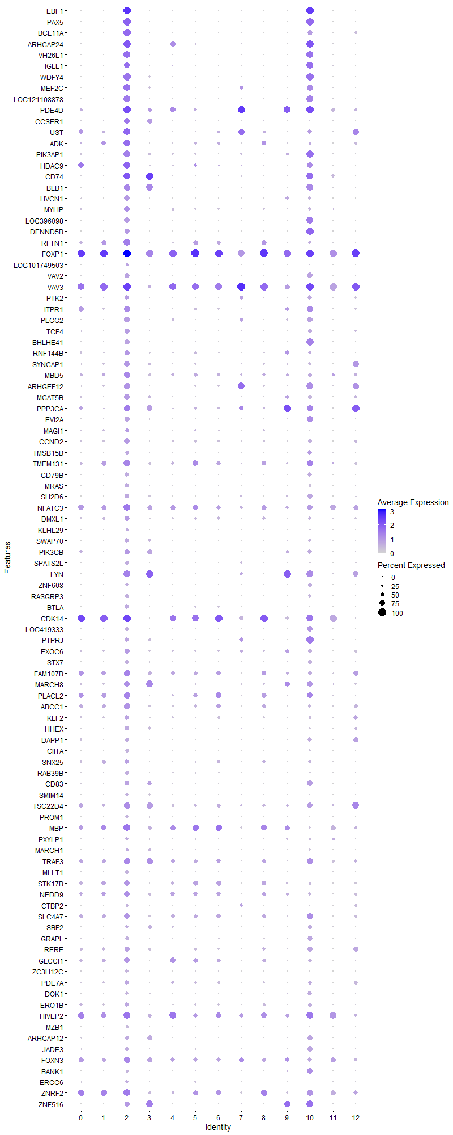
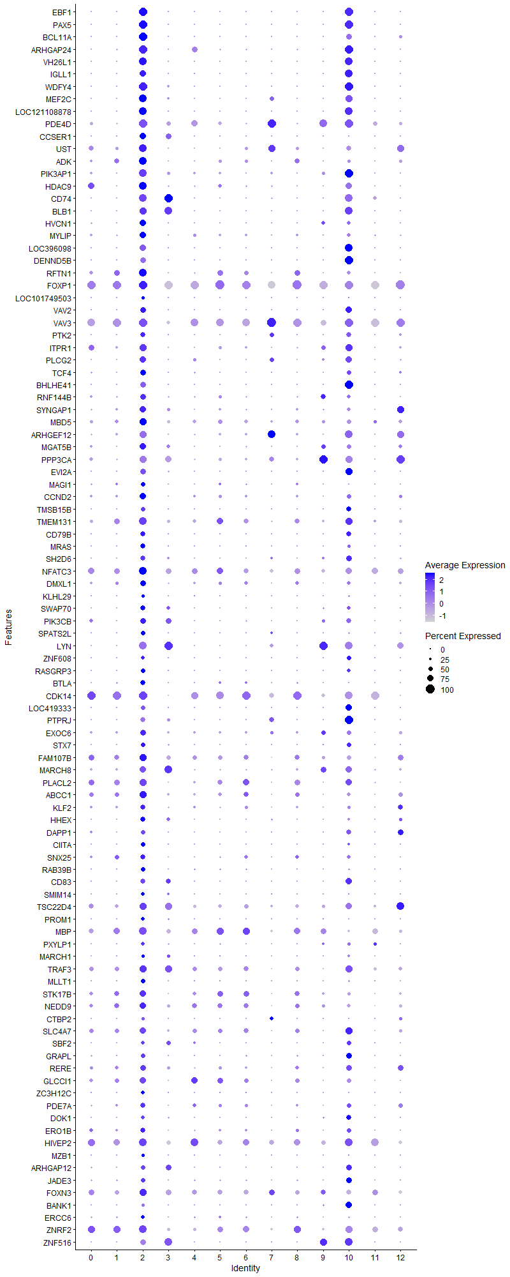
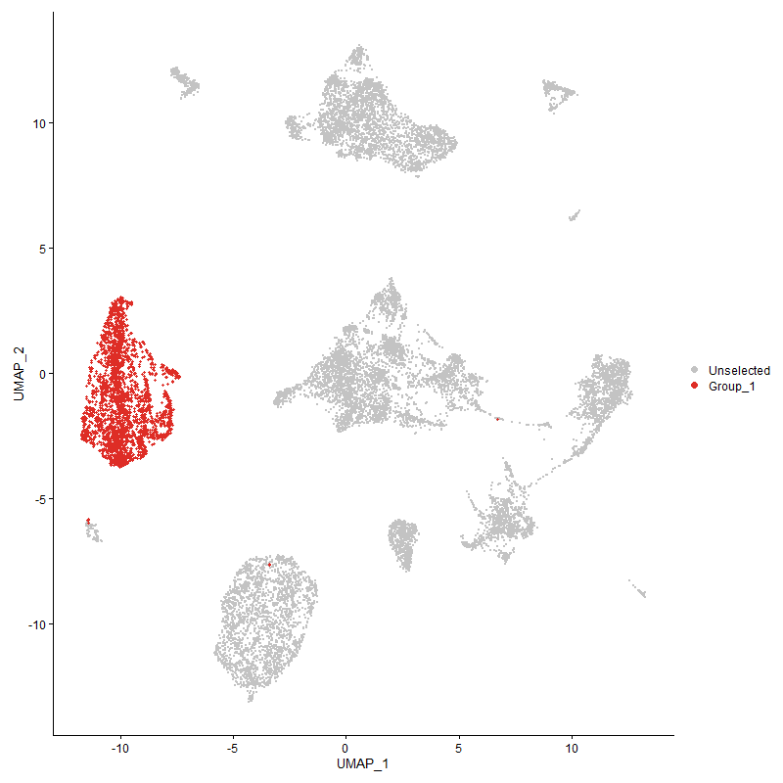
 | p_val | avg_log2FC | pct.1 | pct.2 | p_val_adj | cluster | gene
EBF1 | 0 | 3.491915555 | 0.988 | 0.028 | 0 | 2 | EBF1
PAX5 | 0 | 2.5825045039 | 0.957 | 0.024 | 0 | 2 | PAX5
BCL11A | 0 | 2.468200436 | 0.933 | 0.031 | 0 | 2 | BCL11A
ARHGAP24 | 0 | 2.3538531606 | 0.968 | 0.17 | 0 | 2 | ARHGAP24
VH26L1 | 0 | 2.3064353135 | 0.892 | 0.03 | 0 | 2 | VH26L1
IGLL1 | 0 | 2.187459665 | 0.748 | 0.053 | 0 | 2 | IGLL1
WDFY4 | 0 | 2.0984888586 | 0.944 | 0.07 | 0 | 2 | WDFY4
MEF2C | 0 | 2.0949831702 | 0.888 | 0.091 | 0 | 2 | MEF2C
LOC121108878 | 0 | 2.0102769363 | 0.904 | 0.071 | 0 | 2 | LOC121108878
PDE4D | 0 | 1.7822621379 | 0.954 | 0.429 | 0 | 2 | PDE4D
CCSER1 | 0 | 1.7629792553 | 0.717 | 0.143 | 0 | 2 | CCSER1
UST | 0 | 1.6884273738 | 0.898 | 0.296 | 0 | 2 | UST
ADK1 | 0 | 1.6091097181 | 0.846 | 0.282 | 0 | 2 | ADK
PIK3AP1 | 0 | 1.5885902294 | 0.881 | 0.21 | 0 | 2 | PIK3AP1
HDAC91 | 0 | 1.4884013032 | 0.887 | 0.292 | 0 | 2 | HDAC9
CD74 | 0 | 1.4008040867 | 0.915 | 0.27 | 0 | 2 | CD74
BLB1 | 0 | 1.2757542624 | 0.821 | 0.192 | 0 | 2 | BLB1
HVCN1 | 0 | 1.2550521438 | 0.712 | 0.067 | 0 | 2 | HVCN1
MYLIP | 0 | 1.241793466 | 0.747 | 0.222 | 0 | 2 | MYLIP
LOC396098 | 0 | 1.2389101714 | 0.717 | 0.022 | 0 | 2 | LOC396098
DENND5B | 0 | 1.2328243541 | 0.648 | 0.023 | 0 | 2 | DENND5B
RFTN11 | 0 | 1.1994998569 | 0.872 | 0.379 | 0 | 2 | RFTN1
FOXP1 | 0 | 1.1918977706 | 0.996 | 0.972 | 0 | 2 | FOXP1
LOC101749503 | 0 | 1.1182485669 | 0.318 | 0.007 | 0 | 2 | LOC101749503
VAV2 | 0 | 1.1096922896 | 0.612 | 0.032 | 0 | 2 | VAV2
VAV3 | 0 | 1.1061327444 | 0.99 | 0.824 | 0 | 2 | VAV3
PTK2 | 0 | 1.0718294792 | 0.604 | 0.095 | 0 | 2 | PTK2
ITPR11 | 0 | 1.0622452699 | 0.789 | 0.285 | 0 | 2 | ITPR1
PLCG2 | 0 | 1.0492403019 | 0.696 | 0.124 | 0 | 2 | PLCG2
TCF4 | 0 | 1.0452966907 | 0.612 | 0.108 | 0 | 2 | TCF4
BHLHE41 | 0 | 1.0177240829 | 0.612 | 0.053 | 0 | 2 | BHLHE41
RNF144B | 0 | 1.0128050176 | 0.655 | 0.199 | 0 | 2 | RNF144B
SYNGAP1 | 0 | 0.98623381284 | 0.705 | 0.235 | 0 | 2 | SYNGAP1
MBD5 | 0 | 0.98032430528 | 0.768 | 0.393 | 0 | 2 | MBD5
ARHGEF12 | 0 | 0.96757536879 | 0.775 | 0.215 | 0 | 2 | ARHGEF12
MGAT5B | 0 | 0.96545461611 | 0.725 | 0.22 | 0 | 2 | MGAT5B
PPP3CA | 0 | 0.95715008398 | 0.823 | 0.414 | 0 | 2 | PPP3CA
EVI2A | 0 | 0.95672167796 | 0.634 | 0.101 | 0 | 2 | EVI2A
MAGI1 | 0 | 0.9514753832 | 0.53 | 0.134 | 0 | 2 | MAGI1
CCND2 | 0 | 0.93150581082 | 0.688 | 0.23 | 0 | 2 | CCND2
TMSB15B | 0 | 0.92097681374 | 0.521 | 0.045 | 0 | 2 | TMSB15B
TMEM131 | 0 | 0.8970792995 | 0.85 | 0.466 | 0 | 2 | TMEM131
CD79B | 0 | 0.88546540765 | 0.541 | 0.041 | 0 | 2 | CD79B
MRAS | 0 | 0.87817092447 | 0.557 | 0.052 | 0 | 2 | MRAS
SH2D6 | 0 | 0.86172555113 | 0.551 | 0.076 | 0 | 2 | SH2D6
NFATC3 | 0 | 0.85898699622 | 0.877 | 0.648 | 0 | 2 | NFATC3
DMXL1 | 0 | 0.85563553092 | 0.674 | 0.265 | 0 | 2 | DMXL1
KLHL29 | 0 | 0.84849328601 | 0.333 | 0.035 | 0 | 2 | KLHL29
SWAP70 | 0 | 0.84665671226 | 0.58 | 0.092 | 0 | 2 | SWAP70
PIK3CB | 0 | 0.84127758159 | 0.652 | 0.27 | 0 | 2 | PIK3CB
SPATS2L | 0 | 0.83898483371 | 0.507 | 0.036 | 0 | 2 | SPATS2L
LYN | 0 | 0.81983120539 | 0.863 | 0.252 | 0 | 2 | LYN
ZNF608 | 0 | 0.81491998793 | 0.422 | 0.035 | 0 | 2 | ZNF608
RASGRP3 | 0 | 0.81360086245 | 0.485 | 0.027 | 0 | 2 | RASGRP3
BTLA | 0 | 0.80641442507 | 0.561 | 0.095 | 0 | 2 | BTLA
CDK141 | 0 | 0.80125995847 | 0.981 | 0.736 | 0 | 2 | CDK14
LOC419333 | 0 | 0.79440537883 | 0.486 | 0.025 | 0 | 2 | LOC419333
PTPRJ | 0 | 0.79386582136 | 0.532 | 0.122 | 0 | 2 | PTPRJ
EXOC6 | 0 | 0.79186759735 | 0.655 | 0.273 | 0 | 2 | EXOC6
STX7 | 0 | 0.78349863037 | 0.507 | 0.044 | 0 | 2 | STX7
FAM107B | 1.3821726991E-240 | 0.77696479093 | 0.78 | 0.517 | 2.1107159287E-236 | 2 | FAM107B
MARCH8 | 0 | 0.77024537262 | 0.707 | 0.354 | 0 | 2 | MARCH8
PLACL21 | 6.043902916E-291 | 0.76065782697 | 0.792 | 0.468 | 9.229644143E-287 | 2 | PLACL2
ABCC1 | 0 | 0.75807241487 | 0.769 | 0.408 | 0 | 2 | ABCC1
KLF2 | 0 | 0.75539145903 | 0.596 | 0.225 | 0 | 2 | KLF2
HHEX | 0 | 0.73662884141 | 0.543 | 0.138 | 0 | 2 | HHEX
DAPP1 | 0 | 0.73559396488 | 0.515 | 0.115 | 0 | 2 | DAPP1
CIITA | 0 | 0.73497317391 | 0.453 | 0.021 | 0 | 2 | CIITA
SNX251 | 0 | 0.7338250689 | 0.591 | 0.241 | 0 | 2 | SNX25
RAB39B | 0 | 0.72713476469 | 0.508 | 0.105 | 0 | 2 | RAB39B
CD83 | 0 | 0.72330605183 | 0.575 | 0.168 | 0 | 2 | CD83
SMIM14 | 0 | 0.72067849306 | 0.448 | 0.061 | 0 | 2 | SMIM14
TSC22D4 | 1.084136922E-267 | 0.71763442476 | 0.784 | 0.515 | 1.6555854935E-263 | 2 | TSC22D4
PROM1 | 0 | 0.69254371238 | 0.392 | 0.037 | 0 | 2 | PROM1
MBP | 2.8278235707E-219 | 0.69199363607 | 0.843 | 0.636 | 4.3183693747E-215 | 2 | MBP
PXYLP1 | 0 | 0.68654842493 | 0.441 | 0.108 | 0 | 2 | PXYLP1
MARCH1 | 7.812946847E-243 | 0.68033876111 | 0.347 | 0.11 | 1.193115113E-238 | 2 | MARCH1
TRAF3 | 1.1321338442E-244 | 0.66264194645 | 0.804 | 0.527 | 1.7288815935E-240 | 2 | TRAF3
MLLT1 | 0 | 0.66238884578 | 0.454 | 0.064 | 0 | 2 | MLLT1
STK17B | 2.2302772071E-247 | 0.66016329804 | 0.701 | 0.399 | 3.405856323E-243 | 2 | STK17B
NEDD9 | 2.8783655637E-203 | 0.65040424316 | 0.717 | 0.459 | 4.3955520523E-199 | 2 | NEDD9
CTBP2 | 0 | 0.64755182538 | 0.301 | 0.03 | 0 | 2 | CTBP2
SLC4A7 | 8.4537516686E-251 | 0.6471207346 | 0.72 | 0.418 | 1.2909724173E-246 | 2 | SLC4A7
SBF2 | 2.2001195573E-270 | 0.63988480544 | 0.404 | 0.135 | 3.359802576E-266 | 2 | SBF2
GRAPL | 0 | 0.62980148497 | 0.503 | 0.125 | 0 | 2 | GRAPL
RERE | 3.5246157916E-295 | 0.62942963824 | 0.636 | 0.306 | 5.3824407753E-291 | 2 | RERE
GLCCI1 | 1.344986604E-249 | 0.62837280817 | 0.7 | 0.379 | 2.0539290429E-245 | 2 | GLCCI1
ZC3H12C | 0 | 0.62708149995 | 0.41 | 0.051 | 0 | 2 | ZC3H12C
PDE7A | 0 | 0.6263269637 | 0.563 | 0.227 | 0 | 2 | PDE7A
DOK1 | 0 | 0.62530966586 | 0.447 | 0.08 | 0 | 2 | DOK1
ERO1B | 2.7578428511E-300 | 0.62026275755 | 0.538 | 0.215 | 4.211501818E-296 | 2 | ERO1B
HIVEP2 | 2.8238780116E-204 | 0.61630729733 | 0.879 | 0.691 | 4.3123441115E-200 | 2 | HIVEP2
MZB1 | 0 | 0.61626113314 | 0.348 | 0.01 | 0 | 2 | MZB1
ARHGAP12 | 0 | 0.61343417924 | 0.51 | 0.181 | 0 | 2 | ARHGAP12
JADE3 | 0 | 0.61108622363 | 0.479 | 0.157 | 0 | 2 | JADE3
FOXN3 | 1.3934446447E-173 | 0.61058383716 | 0.783 | 0.582 | 2.1279293169E-169 | 2 | FOXN3
BANK1 | 0 | 0.60501665184 | 0.307 | 0.043 | 0 | 2 | BANK1
ERCC6 | 9.7052780238E-257 | 0.59339292332 | 0.433 | 0.161 | 1.482093007E-252 | 2 | ERCC6
ZNRF22 | 6.5311517319E-218 | 0.59220982462 | 0.869 | 0.63 | 9.9737218097E-214 | 2 | ZNRF2
ZNF516 | 0 | 0.58941600152 | 0.623 | 0.203 | 0 | 2 | ZNF516
PAG11 | 7.0003317471E-271 | 0.58344445156 | 0.819 | 0.45 | 1.0690206611E-266 | 2 | PAG1
LRP8 | 0 | 0.58043266814 | 0.313 | 0.032 | 0 | 2 | LRP8
BCR | 0 | 0.58018078939 | 0.579 | 0.222 | 0 | 2 | BCR
ZNF423 | 0 | 0.57959930478 | 0.361 | 0.088 | 0 | 2 | ZNF423
SP4 | 2.0820508536E-298 | 0.57713611612 | 0.541 | 0.218 | 3.1794998585E-294 | 2 | SP4
KCNQ51 | 6.8071772923E-188 | 0.57428423351 | 0.841 | 0.566 | 1.0395240443E-183 | 2 | KCNQ5
MBOAT2 | 0 | 0.57213526854 | 0.31 | 0.014 | 0 | 2 | MBOAT2
CSK | 3.6812639194E-298 | 0.57011678914 | 0.569 | 0.247 | 5.6216581313E-294 | 2 | CSK
BCL21 | 9.4330585966E-276 | 0.5640531919 | 0.734 | 0.359 | 1.4405223783E-271 | 2 | BCL2
BLB2 | 0 | 0.56391665887 | 0.845 | 0.234 | 0 | 2 | BLB2
RHOH | 6.8595141434E-237 | 0.56011699885 | 0.549 | 0.262 | 1.0475164048E-232 | 2 | RHOH
WIPF1 | 1.9652103768E-224 | 0.54919775151 | 0.659 | 0.378 | 3.0010727665E-220 | 2 | WIPF1
ZEB1 | 2.6594272463E-188 | 0.54771746796 | 0.728 | 0.471 | 4.0612113478E-184 | 2 | ZEB1
SNAP91 | 0 | 0.54758811708 | 0.387 | 0.073 | 0 | 2 | SNAP91
BCL7A | 0 | 0.54327673509 | 0.406 | 0.104 | 0 | 2 | BCL7A
NCOA21 | 1.462785267E-176 | 0.53586339358 | 0.816 | 0.592 | 2.2338193812E-172 | 2 | NCOA2
MED13L | 2.4815361549E-171 | 0.53532255798 | 0.751 | 0.516 | 3.7895538621E-167 | 2 | MED13L
ZCCHC7 | 1.4182629906E-240 | 0.53484066164 | 0.428 | 0.16 | 2.1658294129E-236 | 2 | ZCCHC7
AFTPH | 7.0959066541E-221 | 0.53279875515 | 0.528 | 0.249 | 1.0836159051E-216 | 2 | AFTPH
SPRED2 | 4.7113229574E-273 | 0.5246601973 | 0.368 | 0.111 | 7.1946612883E-269 | 2 | SPRED2
BIRC6 | 7.1805686533E-173 | 0.52242124442 | 0.838 | 0.662 | 1.096544639E-168 | 2 | BIRC6
GRAMD4 | 0 | 0.51878440467 | 0.4 | 0.095 | 0 | 2 | GRAMD4
BMPR2 | 1.8866549343E-170 | 0.51813469482 | 0.606 | 0.328 | 2.8811107502E-166 | 2 | BMPR2
EPS15 | 9.2562242538E-285 | 0.51477989729 | 0.469 | 0.171 | 1.4135180058E-280 | 2 | EPS15
SLC16A10 | 4.8043535731E-242 | 0.5109326388 | 0.288 | 0.076 | 7.3367283415E-238 | 2 | SLC16A10
UBE2E2 | 1.6908079532E-111 | 0.51041336519 | 0.249 | 0.097 | 2.5820328254E-107 | 2 | UBE2E2
SYK | 0 | 0.50923008724 | 0.367 | 0.061 | 0 | 2 | SYK
PIK3R1 | 1.9961581496E-130 | 0.50861462721 | 0.658 | 0.451 | 3.0483331103E-126 | 2 | PIK3R1
LAMC1 | 0 | 0.50501472655 | 0.402 | 0.104 | 0 | 2 | LAMC1
DAPK11 | 1.4439888959E-131 | 0.50439532816 | 0.831 | 0.672 | 2.205115443E-127 | 2 | DAPK1
NRK1 | 1.0919939126E-178 | 0.49953057373 | 0.953 | 0.832 | 1.6675839039E-174 | 2 | NRK
PLEKHO1 | 0 | 0.49755233127 | 0.351 | 0.063 | 0 | 2 | PLEKHO1
PRKCB1 | 5.2716113053E-291 | 0.49509465852 | 0.494 | 0.179 | 8.0502776243E-287 | 2 | PRKCB
LOC1211064612 | 4.5715699165E-160 | 0.49365750257 | 0.856 | 0.576 | 6.9812444194E-156 | 2 | LOC121106461
RCSD1 | 2.4027031995E-143 | 0.49109533852 | 0.574 | 0.345 | 3.669168056E-139 | 2 | RCSD1
SEPTIN9 | 4.7987718646E-207 | 0.49026523212 | 0.587 | 0.31 | 7.3282045144E-203 | 2 | SEPTIN9
GNS | 2.8573281569E-239 | 0.47959165727 | 0.49 | 0.209 | 4.3634258284E-235 | 2 | GNS
J6367-mgp01 | 1.807074585E-156 | 0.47744722763 | 0.961 | 0.864 | 2.7595835988E-152 | 2 | J6367-mgp01
HMGCS1 | 7.4534696507E-217 | 0.47544983274 | 0.448 | 0.181 | 1.1382193504E-212 | 2 | HMGCS1
PCASP2 | 0 | 0.46939050821 | 0.377 | 0.081 | 0 | 2 | PCASP2
AMD1 | 2.2064322479E-264 | 0.46689712176 | 0.407 | 0.138 | 3.3694426857E-260 | 2 | AMD1
KIAA1109 | 1.2257252828E-190 | 0.46685962263 | 0.591 | 0.316 | 1.8718050794E-186 | 2 | KIAA1109
CCDC50 | 0 | 0.46520972805 | 0.348 | 0.061 | 0 | 2 | CCDC50
RASAL1 | 0 | 0.46402789749 | 0.29 | 0.003 | 0 | 2 | RASAL1
RPL211 | 1.4252227909E-82 | 0.46061597316 | 0.798 | 0.701 | 2.176457724E-78 | 2 | RPL21
J6367-mgp02 | 1.0070955953E-255 | 0.45838862191 | 1 | 0.994 | 1.5379356835E-251 | 2 | J6367-mgp02
SH3KBP1 | 6.0328926728E-140 | 0.4539976524 | 0.912 | 0.777 | 9.2128304007E-136 | 2 | SH3KBP1
DGKD | 2.9205005783E-162 | 0.45397088821 | 0.647 | 0.402 | 4.4598964331E-158 | 2 | DGKD
SNX9 | 7.9112681895E-238 | 0.45354310531 | 0.419 | 0.154 | 1.2081297652E-233 | 2 | SNX9
MAML2 | 2.8079868729E-67 | 0.45330051729 | 0.321 | 0.183 | 4.2880767536E-63 | 2 | MAML2
CHST15 | 0 | 0.45233288918 | 0.234 | 0.016 | 0 | 2 | CHST15
RPS15A1 | 1.1424149415E-71 | 0.44672668861 | 0.637 | 0.504 | 1.7445818572E-67 | 2 | RPS15A
LOC107049666 | 2.4730003499E-154 | 0.43806044573 | 0.574 | 0.33 | 3.7765188343E-150 | 2 | LOC107049666
ANKRD10 | 9.0954720139E-114 | 0.43804663217 | 0.727 | 0.526 | 1.3889695312E-109 | 2 | ANKRD10
RPL291 | 6.6541345965E-71 | 0.4361558475 | 0.682 | 0.549 | 1.0161528942E-66 | 2 | RPL29
EBAG9 | 1.2433711975E-220 | 0.43314868812 | 0.457 | 0.19 | 1.8987521558E-216 | 2 | EBAG9
MYO1C | 1.7620213329E-307 | 0.43195435101 | 0.314 | 0.072 | 2.6907827775E-303 | 2 | MYO1C
TNFRSF13C | 0 | 0.42579729257 | 0.268 | 0.002 | 0 | 2 | TNFRSF13C
LOC124418357 | 2.530866714E-121 | 0.42440812044 | 0.548 | 0.317 | 3.864886559E-117 | 2 | LOC124418357
CYBB | 1.5605192179E-280 | 0.42424535498 | 0.31 | 0.078 | 2.3830688976E-276 | 2 | CYBB
PTMA1 | 3.9416269465E-105 | 0.4239263868 | 0.862 | 0.776 | 6.0192585099E-101 | 2 | PTMA
NCOA7 | 3.6164209279E-250 | 0.42273220762 | 0.462 | 0.17 | 5.522636399E-246 | 2 | NCOA7
CAMK2D | 1.4085076829E-139 | 0.42187110343 | 0.708 | 0.456 | 2.1509320826E-135 | 2 | CAMK2D
LOC112531880 | 0 | 0.42094338624 | 0.318 | 0.056 | 0 | 2 | LOC112531880
STK38L1 | 1.5699965245E-104 | 0.42076416822 | 0.609 | 0.403 | 2.3975416926E-100 | 2 | STK38L
DCBLD2 | 1.3834144672E-294 | 0.41910255737 | 0.314 | 0.074 | 2.1126122328E-290 | 2 | DCBLD2
RPS8 | 1.3769968011E-65 | 0.41431611122 | 0.689 | 0.558 | 2.102811815E-61 | 2 | RPS8
PLD4 | 0 | 0.41182795842 | 0.275 | 0.008 | 0 | 2 | PLD4
TBL1X1 | 8.6507067336E-141 | 0.40818142975 | 0.958 | 0.788 | 1.3210494253E-136 | 2 | TBL1X
FAM46A | 5.7599875132E-161 | 0.40683655467 | 0.412 | 0.19 | 8.7960769315E-157 | 2 | FAM46A
ADSS1 | 0 | 0.39653996857 | 0.32 | 0.05 | 0 | 2 | ADSS1
SESN11 | 2.0480531989E-110 | 0.39256917273 | 0.644 | 0.412 | 3.1275820401E-106 | 2 | SESN1
EHMT1 | 5.3894885669E-120 | 0.39175034807 | 0.545 | 0.328 | 8.2302879904E-116 | 2 | EHMT1
CD81 | 1.2974656264E-183 | 0.39147506007 | 0.488 | 0.219 | 1.981359758E-179 | 2 | CD81
CARHSP1 | 4.1959799432E-179 | 0.39059849017 | 0.379 | 0.155 | 6.4076809712E-175 | 2 | CARHSP1
CXCR4 | 1.0965571549E-174 | 0.38897614886 | 0.411 | 0.177 | 1.6745524312E-170 | 2 | CXCR4
IKZF3 | 6.651381439E-151 | 0.38791577055 | 0.519 | 0.274 | 1.0157324596E-146 | 2 | IKZF3
GTDC1 | 3.0152476982E-88 | 0.38583575644 | 0.529 | 0.338 | 4.6045847599E-84 | 2 | GTDC1
TLR1A | 0 | 0.38470138712 | 0.253 | 0.016 | 0 | 2 | TLR1A
CTSC | 1.2561515338E-172 | 0.38113105097 | 0.422 | 0.185 | 1.9182690072E-168 | 2 | CTSC
LOC7768161 | 1.7951232334E-77 | 0.37735681642 | 0.846 | 0.773 | 2.7413326897E-73 | 2 | LOC776816
CNOT6 | 5.6309842961E-177 | 0.37634439724 | 0.412 | 0.179 | 8.5990761185E-173 | 2 | CNOT6
RNF152 | 0 | 0.37431403453 | 0.207 | 0.006 | 0 | 2 | RNF152
JAK1 | 2.0620811206E-98 | 0.37236414455 | 0.771 | 0.622 | 3.1490040793E-94 | 2 | JAK1
ERP44 | 1.5700574793E-152 | 0.37203177039 | 0.384 | 0.172 | 2.3976347766E-148 | 2 | ERP44
ANKRD33B | 0 | 0.37057877903 | 0.197 | 0.002 | 0 | 2 | ANKRD33B
RPL36A | 5.0412222677E-63 | 0.36847232701 | 0.632 | 0.493 | 7.6984505251E-59 | 2 | RPL36A
LOC101750037 | 1.2469706464E-104 | 0.36778485052 | 0.506 | 0.311 | 1.9042488742E-100 | 2 | LOC101750037
CCNY1 | 1.6944288391E-84 | 0.36715400847 | 0.648 | 0.453 | 2.5875622801E-80 | 2 | CCNY
GFRA1 | 0 | 0.36522243192 | 0.138 | 0 | 0 | 2 | GFRA1
ATXN7 | 3.7348294305E-96 | 0.36467198304 | 0.417 | 0.237 | 5.7034580233E-92 | 2 | ATXN7
EPB41L21 | 2.1976154379E-88 | 0.36323293012 | 0.536 | 0.343 | 3.3559785352E-84 | 2 | EPB41L2
RPS4Y1 | 1.1745582773E-59 | 0.36262199813 | 0.552 | 0.414 | 1.7936679453E-55 | 2 | RPS4Y1
CUL5 | 1.197459511E-140 | 0.36168174927 | 0.446 | 0.225 | 1.8286404193E-136 | 2 | CUL5
MBNL2 | 0 | 0.36075250434 | 0.215 | 0.025 | 0 | 2 | MBNL2
SAT1 | 2.1878120291E-111 | 0.35925801174 | 0.48 | 0.274 | 3.3410077496E-107 | 2 | SAT1
P2RX5 | 3.6907033337E-209 | 0.35784182256 | 0.307 | 0.095 | 5.6360730609E-205 | 2 | P2RX5
ARL1 | 6.4241810183E-201 | 0.35775350127 | 0.317 | 0.105 | 9.810366833E-197 | 2 | ARL1
ARID1B | 1.0889429814E-95 | 0.35748099122 | 0.967 | 0.934 | 1.662924827E-91 | 2 | ARID1B
CDK6 | 2.3765903312E-106 | 0.35559540391 | 0.368 | 0.185 | 3.6292910948E-102 | 2 | CDK6
P2RY81 | 1.7422376682E-112 | 0.35380644649 | 0.898 | 0.683 | 2.6605711431E-108 | 2 | P2RY8
RPS24 | 1.2332219871E-51 | 0.35299425898 | 0.695 | 0.588 | 1.8832532965E-47 | 2 | RPS24
ALDH18A1 | 1.3770225586E-142 | 0.35201262167 | 0.31 | 0.123 | 2.1028511492E-138 | 2 | ALDH18A1
HIPK3 | 5.6944825354E-94 | 0.35128439964 | 0.402 | 0.227 | 8.6960442799E-90 | 2 | HIPK3
TMEM131L | 3.2240894822E-82 | 0.35118340772 | 0.578 | 0.403 | 4.9235070483E-78 | 2 | TMEM131L
BIN1 | 2.4668551724E-161 | 0.35074355487 | 0.331 | 0.128 | 3.7671345338E-157 | 2 | BIN1
LOC121106981 | 7.7914848276E-66 | 0.35015536107 | 0.84 | 0.729 | 1.189837648E-61 | 2 | LOC121106981
GPR18 | 0 | 0.3500784543 | 0.241 | 0.028 | 0 | 2 | GPR18
COPS2 | 1.4901067374E-174 | 0.35006347757 | 0.354 | 0.137 | 2.2755419986E-170 | 2 | COPS2
NUCB2 | 1.3413471745E-83 | 0.34951514578 | 0.447 | 0.278 | 2.0483712702E-79 | 2 | NUCB2
TNFSF13B | 0 | 0.34908696467 | 0.271 | 0.04 | 0 | 2 | TNFSF13B
RPS12 | 1.9282741452E-57 | 0.34501396076 | 0.675 | 0.552 | 2.9446674471E-53 | 2 | RPS12
SCAF11 | 3.3300783185E-125 | 0.34498754919 | 0.444 | 0.235 | 5.0853626002E-121 | 2 | SCAF11
NECAP2 | 4.9271229691E-247 | 0.34340624161 | 0.29 | 0.075 | 7.5242094861E-243 | 2 | NECAP2
RPL23 | 2.5475128354E-53 | 0.34327951283 | 0.752 | 0.629 | 3.8903068509E-49 | 2 | RPL23
SYNJ1 | 1.7417480353E-135 | 0.34292368205 | 0.324 | 0.136 | 2.6598234246E-131 | 2 | SYNJ1
VGLL4 | 4.9780129139E-79 | 0.34256607063 | 0.442 | 0.275 | 7.6019235208E-75 | 2 | VGLL4
RPS3A | 2.6090815539E-56 | 0.34252058329 | 0.732 | 0.626 | 3.9843284409E-52 | 2 | RPS3A
MAST2 | 1.0716390256E-139 | 0.34232138849 | 0.263 | 0.095 | 1.636499956E-135 | 2 | MAST2
ASXL2 | 2.9181931162E-101 | 0.34168401243 | 0.548 | 0.349 | 4.4563727078E-97 | 2 | ASXL2
CNTRL1 | 1.3780313772E-97 | 0.34132037978 | 0.478 | 0.289 | 2.1043917162E-93 | 2 | CNTRL
VOPP1 | 0 | 0.34097376337 | 0.168 | 0.008 | 0 | 2 | VOPP1
SPI1 | 2.352493566E-172 | 0.34078681618 | 0.411 | 0.164 | 3.5924929247E-168 | 2 | SPI1
PDCD4 | 3.2365989279E-162 | 0.33915347129 | 0.354 | 0.145 | 4.9426102229E-158 | 2 | PDCD4
C4H4ORF32 | 1.2221613514E-180 | 0.33762573092 | 0.308 | 0.106 | 1.8663625997E-176 | 2 | C4H4ORF32
ATP9B | 3.0195020838E-60 | 0.33468996179 | 0.591 | 0.449 | 4.6110816321E-56 | 2 | ATP9B
SLC39A10 | 9.5110484048E-156 | 0.33289088208 | 0.285 | 0.102 | 1.4524322019E-151 | 2 | SLC39A10
MAP3K1 | 7.8380459034E-48 | 0.33214697208 | 0.603 | 0.478 | 1.1969479899E-43 | 2 | MAP3K1
B3GNTL1 | 9.6582286461E-99 | 0.3321460506 | 0.299 | 0.138 | 1.4749080965E-94 | 2 | B3GNTL1
ZBTB38 | 2.6610102214E-192 | 0.329686856 | 0.294 | 0.092 | 4.0636287091E-188 | 2 | ZBTB38
CDR2 | 0 | 0.3286060574 | 0.228 | 0.032 | 0 | 2 | CDR2
RPS161 | 9.0836643603E-44 | 0.32702376885 | 0.622 | 0.514 | 1.3871663845E-39 | 2 | RPS16
GAB3 | 1.2306979617E-189 | 0.32670072506 | 0.486 | 0.205 | 1.8793988574E-185 | 2 | GAB3
TBC1D5 | 9.2220958746E-56 | 0.32655726413 | 0.838 | 0.749 | 1.408306261E-51 | 2 | TBC1D5
ELOVL5 | 1.0319965468E-80 | 0.32614047394 | 0.477 | 0.306 | 1.5759619267E-76 | 2 | ELOVL5
LOC112531056 | 0 | 0.3259474744 | 0.241 | 0.029 | 0 | 2 | LOC112531056
CDC14A | 5.6383605568E-62 | 0.32469275638 | 0.467 | 0.313 | 8.6103404062E-58 | 2 | CDC14A
SLC38A1 | 4.9662326619E-90 | 0.32460764454 | 0.434 | 0.257 | 7.583933898E-86 | 2 | SLC38A1
POLA1 | 2.4475242353E-51 | 0.31970123632 | 0.412 | 0.277 | 3.7376142597E-47 | 2 | POLA1
ZHX2 | 4.0219031021E-111 | 0.3196698826 | 0.347 | 0.168 | 6.1418482272E-107 | 2 | ZHX2
AKAP1 | 5.5383738991E-137 | 0.31950395355 | 0.303 | 0.123 | 8.4576507814E-133 | 2 | AKAP1
RPL351 | 3.6097895881E-51 | 0.31906566708 | 0.627 | 0.505 | 5.5125096799E-47 | 2 | RPL35
MAST4 | 2.4267089106E-96 | 0.31823157941 | 0.391 | 0.209 | 3.7058271775E-92 | 2 | MAST4
DOCK7 | 2.6036844193E-251 | 0.31760307915 | 0.239 | 0.05 | 3.9760864768E-247 | 2 | DOCK7
RPL32 | 2.9681227978E-48 | 0.31643440436 | 0.642 | 0.521 | 4.5326203246E-44 | 2 | RPL32
EXOC6B | 6.579998589E-96 | 0.31623992569 | 0.357 | 0.186 | 1.0048315845E-91 | 2 | EXOC6B
RRAS1 | 2.6060170292E-87 | 0.31470987606 | 0.673 | 0.468 | 3.9796486053E-83 | 2 | RRAS
RPL15 | 1.9145701609E-54 | 0.31412106004 | 0.69 | 0.571 | 2.9237400927E-50 | 2 | RPL15
LOC1070564131 | 8.098404672E-92 | 0.3130786246 | 0.593 | 0.382 | 1.2367073775E-87 | 2 | LOC107056413
RPL6 | 4.5420568875E-44 | 0.31208429558 | 0.683 | 0.574 | 6.9361750729E-40 | 2 | RPL6
ARNTL2 | 1.101384763E-209 | 0.31195728299 | 0.225 | 0.052 | 1.6819246716E-205 | 2 | ARNTL2
RPL12 | 2.3297109071E-50 | 0.31033878815 | 0.536 | 0.404 | 3.5577015263E-46 | 2 | RPL12
CAMKK2 | 8.75192212E-244 | 0.31029866524 | 0.249 | 0.055 | 1.3365060269E-239 | 2 | CAMKK2
LOC101747587 | 4.1622179437E-64 | 0.30925997815 | 0.798 | 0.681 | 6.3561230218E-60 | 2 | LOC101747587
RPS20 | 1.4074468824E-48 | 0.308907738 | 0.627 | 0.51 | 2.1493121341E-44 | 2 | RPS20
RPS10 | 1.0726451969E-51 | 0.30752547343 | 0.705 | 0.591 | 1.6380364802E-47 | 2 | RPS10
PWWP2B | 2.9362494326E-158 | 0.30642301145 | 0.295 | 0.108 | 4.4839465085E-154 | 2 | PWWP2B
RPL11 | 4.8420191162E-51 | 0.30607534536 | 0.564 | 0.437 | 7.3942473924E-47 | 2 | RPL11
EPFIP1L | 1.7666231839E-112 | 0.30547652453 | 0.373 | 0.188 | 2.6978102641E-108 | 2 | EPFIP1L
RPS23 | 8.8310389499E-39 | 0.30418285977 | 0.591 | 0.486 | 1.348587958E-34 | 2 | RPS23
CCDC134 | 4.0113026814E-220 | 0.30399027749 | 0.275 | 0.074 | 6.1256603248E-216 | 2 | CCDC134
PPP2R5C | 6.135530231E-69 | 0.30374793375 | 0.542 | 0.377 | 9.3695682158E-65 | 2 | PPP2R5C
STK38 | 7.1371669738E-130 | 0.30356283855 | 0.351 | 0.158 | 1.0899167686E-125 | 2 | STK38
PCF11 | 3.1987811816E-72 | 0.30315556391 | 0.637 | 0.478 | 4.8848587424E-68 | 2 | PCF11
EDARADD | 1.7896182909E-187 | 0.30262489506 | 0.246 | 0.068 | 2.7329260921E-183 | 2 | EDARADD
GRK3 | 2.2278145882E-73 | 0.30071216875 | 0.617 | 0.452 | 3.4020956577E-69 | 2 | GRK3
VBP1 | 1.8849284251E-269 | 0.30017041451 | 0.243 | 0.047 | 2.878474198E-265 | 2 | VBP1
SP31 | 6.8255694469E-75 | 0.29999579904 | 0.616 | 0.435 | 1.0423327102E-70 | 2 | SP3
RPL27 | 1.1197265883E-45 | 0.29831910557 | 0.571 | 0.445 | 1.7099344729E-41 | 2 | RPL27
SELENOP1 | 8.2164674061E-141 | 0.29827449672 | 0.492 | 0.241 | 1.2547367376E-136 | 2 | SELENOP1
HMGN4 | 3.9598266784E-101 | 0.29756087968 | 0.379 | 0.199 | 6.0470513206E-97 | 2 | HMGN4
CASK | 7.6005437463E-46 | 0.29717146699 | 0.573 | 0.434 | 1.1606790355E-41 | 2 | CASK
SHOC2 | 1.7451014524E-89 | 0.29574073071 | 0.375 | 0.207 | 2.6649444279E-85 | 2 | SHOC2
ACTR3B | 2.4779843E-102 | 0.2957313525 | 0.314 | 0.145 | 3.7841298246E-98 | 2 | ACTR3B
ZFYVE21 | 4.6584510247E-186 | 0.29538314617 | 0.28 | 0.087 | 7.1139205598E-182 | 2 | ZFYVE21
LOC1070489901 | 4.0716149891E-89 | 0.29437241938 | 0.798 | 0.578 | 6.2177632499E-85 | 2 | LOC107048990
RPS281 | 1.9000133914E-59 | 0.2933868389 | 0.793 | 0.677 | 2.90151045E-55 | 2 | RPS28
IRF4 | 2.8346553046E-104 | 0.29105900925 | 0.36 | 0.178 | 4.3288021156E-100 | 2 | IRF4
DMA | 4.6486903925E-162 | 0.29031464862 | 0.338 | 0.127 | 7.0990150984E-158 | 2 | DMA
CUL3 | 7.4084233036E-73 | 0.29010955542 | 0.556 | 0.382 | 1.1313403227E-68 | 2 | CUL3
LOC121106978 | 2.6332442696E-37 | 0.2876175995 | 0.569 | 0.468 | 4.0212273242E-33 | 2 | LOC121106978
RPS7 | 2.5541031645E-50 | 0.28468326773 | 0.594 | 0.466 | 3.9003709425E-46 | 2 | RPS7
TMEM135 | 4.0160966408E-57 | 0.28465111212 | 0.522 | 0.369 | 6.1329811802E-53 | 2 | TMEM135
LOC101752071 | 1.6280879944E-288 | 0.28430771131 | 0.114 | 0.004 | 2.4862531762E-284 | 2 | LOC101752071
LOC100859602 | 2.5136672354E-42 | 0.28374026311 | 0.827 | 0.767 | 3.8386212351E-38 | 2 | LOC100859602
LOC1017482591 | 1.5464858361E-226 | 0.28294889709 | 0.264 | 0.065 | 2.3616385203E-222 | 2 | LOC101748259
LOC101748032 | 0 | 0.28245385463 | 0.201 | 0.017 | 0 | 2 | LOC101748032
TCERG1 | 4.6382944486E-61 | 0.28228797029 | 0.568 | 0.422 | 7.0831394525E-57 | 2 | TCERG1
RPL34 | 2.2733996351E-40 | 0.28170264388 | 0.623 | 0.516 | 3.4717085828E-36 | 2 | RPL34
PPP2R2D | 1.1403097876E-63 | 0.28003778786 | 0.502 | 0.346 | 1.7413670766E-59 | 2 | PPP2R2D
MTHFD1L | 4.2160043214E-88 | 0.2799753552 | 0.311 | 0.151 | 6.4382601992E-84 | 2 | MTHFD1L
LAMP3 | 6.112917738E-286 | 0.27988010854 | 0.209 | 0.031 | 9.3350366777E-282 | 2 | LAMP3
BMF | 6.6838524028E-247 | 0.27892959573 | 0.203 | 0.035 | 1.0206911004E-242 | 2 | BMF
RPL22 | 6.8964515747E-41 | 0.27840199855 | 0.612 | 0.502 | 1.05315712E-36 | 2 | RPL22
MAPK10 | 3.3275916941E-246 | 0.27812663525 | 0.14 | 0.014 | 5.081565276E-242 | 2 | MAPK10
SRBD1 | 1.0143422676E-86 | 0.27798858898 | 0.185 | 0.071 | 1.5490020768E-82 | 2 | SRBD1
GPR137B | 1.1301659988E-132 | 0.27758911019 | 0.249 | 0.089 | 1.7258764967E-128 | 2 | GPR137B
ARHGAP151 | 4.2815918688E-87 | 0.27731791358 | 0.998 | 0.98 | 6.5384189428E-83 | 2 | ARHGAP15
BTK | 2.7916072661E-177 | 0.27730532755 | 0.277 | 0.087 | 4.263063456E-173 | 2 | BTK
NFKBIZ | 1.8946314846E-74 | 0.27605941603 | 0.572 | 0.388 | 2.8932917402E-70 | 2 | NFKBIZ
STIM2 | 2.1658332674E-61 | 0.27492426155 | 0.575 | 0.418 | 3.3074439827E-57 | 2 | STIM2
SIK1 | 2.0229085629E-86 | 0.27360219835 | 0.286 | 0.14 | 3.0891836664E-82 | 2 | SIK1
ARSG | 8.1374944855E-94 | 0.27336296948 | 0.349 | 0.18 | 1.2426767829E-89 | 2 | ARSG
ATP11A | 5.3701290117E-113 | 0.27233580609 | 0.263 | 0.105 | 8.2007240138E-109 | 2 | ATP11A
CCDC186 | 4.1978867458E-121 | 0.27162610539 | 0.274 | 0.11 | 6.4105928495E-117 | 2 | CCDC186
ZDHHC8 | 2.4262162895E-98 | 0.27038515179 | 0.247 | 0.103 | 3.7050748957E-94 | 2 | ZDHHC8
RPL39L | 6.9348727766E-44 | 0.26984383707 | 0.773 | 0.665 | 1.0590244217E-39 | 2 | RPL39L
RPL8 | 1.4486854388E-38 | 0.26981509083 | 0.656 | 0.557 | 2.2122875336E-34 | 2 | RPL8
SYNE3 | 6.6315956179E-79 | 0.26919507329 | 0.352 | 0.193 | 1.0127109668E-74 | 2 | SYNE3
KLF6 | 3.3231324809E-51 | 0.26904178716 | 0.51 | 0.368 | 5.0747556116E-47 | 2 | KLF6
CRAMP1 | 9.9343794164E-87 | 0.26831814968 | 0.383 | 0.213 | 1.5170790807E-82 | 2 | CRAMP1
SYNGR3 | 6.9365011775E-219 | 0.26806219886 | 0.229 | 0.051 | 1.0592730948E-214 | 2 | SYNGR3
CASS4 | 1.8862551675E-147 | 0.26732597347 | 0.255 | 0.086 | 2.8805002662E-143 | 2 | CASS4
C12orf57 | 1.3112716999E-85 | 0.26724718887 | 0.364 | 0.2 | 2.0024430129E-81 | 2 | C12orf57
UBE2O | 6.4468075643E-149 | 0.26674335907 | 0.245 | 0.08 | 9.8449198315E-145 | 2 | UBE2O
ELF1 | 5.887376487E-50 | 0.26669039859 | 0.711 | 0.586 | 8.9906126333E-46 | 2 | ELF1
SEMA4D | 3.6367485399E-78 | 0.26635042654 | 0.322 | 0.168 | 5.5536786952E-74 | 2 | SEMA4D
EVL1 | 3.184716878E-64 | 0.26613576076 | 0.639 | 0.469 | 4.8633811444E-60 | 2 | EVL
UBAC21 | 2.5009085248E-39 | 0.26384700503 | 0.456 | 0.335 | 3.8191374082E-35 | 2 | UBAC2
BRD2 | 8.9276439948E-66 | 0.26335100143 | 0.53 | 0.375 | 1.3633405144E-61 | 2 | BRD2
SETBP11 | 3.6399090501E-50 | 0.26327603374 | 0.501 | 0.337 | 5.5585051105E-46 | 2 | SETBP1
PHIP | 1.9043371747E-51 | 0.2631486741 | 0.638 | 0.493 | 2.9081132994E-47 | 2 | PHIP
IRAG2 | 8.1993825216E-126 | 0.26278302022 | 0.274 | 0.106 | 1.2521277049E-121 | 2 | IRAG2
EEF1B2 | 4.7727235455E-37 | 0.262737111 | 0.499 | 0.386 | 7.2884261263E-33 | 2 | EEF1B2
CTDP1 | 3.4324225706E-47 | 0.26007333656 | 0.557 | 0.41 | 5.2416525075E-43 | 2 | CTDP1
FKBP5 | 1.4958813623E-141 | 0.25986447352 | 0.259 | 0.091 | 2.2843604284E-137 | 2 | FKBP5
TMEM87B | 1.3262506062E-83 | 0.25984544116 | 0.343 | 0.185 | 2.0253173008E-79 | 2 | TMEM87B
SULF2 | 2.3671894758E-195 | 0.25877750961 | 0.177 | 0.034 | 3.6149350484E-191 | 2 | SULF2
FBXL22 | 3.8463605197E-73 | 0.25794530022 | 0.385 | 0.227 | 5.8737771496E-69 | 2 | FBXL22
DPYSL2 | 1.1399953173E-89 | 0.25667122272 | 0.27 | 0.125 | 1.7408868491E-85 | 2 | DPYSL2
BMPR1B | 7.3222353836E-89 | 0.25572518098 | 0.104 | 0.025 | 1.1181785654E-84 | 2 | BMPR1B
MAP4K3 | 5.8447724652E-48 | 0.25475844422 | 0.461 | 0.328 | 8.9255520316E-44 | 2 | MAP4K3
HNRNPDL | 3.7071778574E-55 | 0.25366601439 | 0.517 | 0.371 | 5.661231306E-51 | 2 | HNRNPDL
RPS27A | 4.3128303793E-38 | 0.25332116703 | 0.7 | 0.601 | 6.5861232722E-34 | 2 | RPS27A
ACOT9 | 5.6130496764E-240 | 0.25314103885 | 0.196 | 0.033 | 8.5716881608E-236 | 2 | ACOT9
RPL9 | 3.6127112958E-42 | 0.25311825105 | 0.507 | 0.386 | 5.5169714198E-38 | 2 | RPL9
ITGA6 | 5.567387779E-122 | 0.2516241024 | 0.262 | 0.1 | 8.5019578773E-118 | 2 | ITGA6
RPS27 | 1.8020930191E-43 | 0.2515034223 | 0.822 | 0.734 | 2.7519762494E-39 | 2 | RPS27
PLEKHA8 | 1.7701585301E-196 | 0.25134730414 | 0.191 | 0.04 | 2.7032090913E-192 | 2 | PLEKHA8
RPL37A | 5.5942562384E-36 | 0.25104441149 | 0.735 | 0.627 | 8.5429887016E-32 | 2 | RPL37A
USP15 | 6.3007034929E-42 | 0.2507432851 | 0.529 | 0.4 | 9.621804304E-38 | 2 | USP15
RPL27A1 | 3.6051169869E-40 | 0.25001042228 | 0.555 | 0.43 | 5.5053741507E-36 | 2 | RPL27A

Cluster3
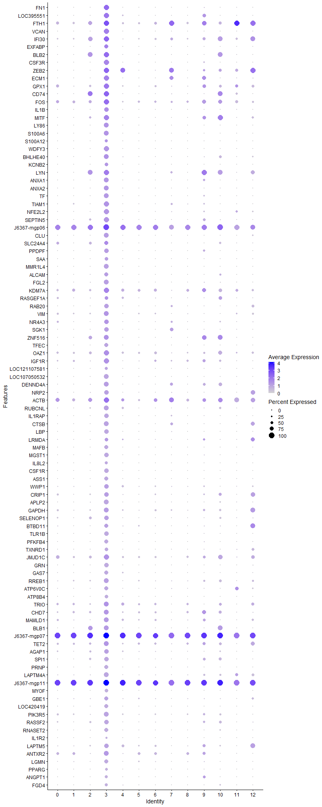
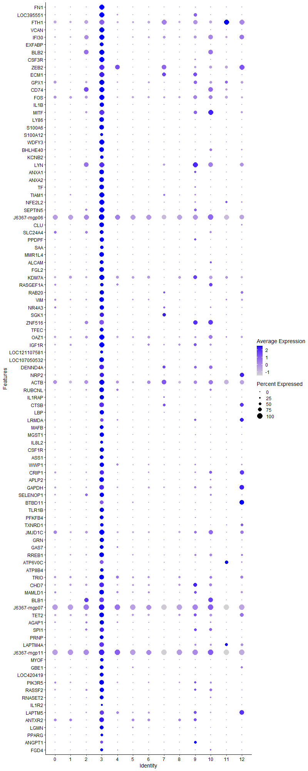
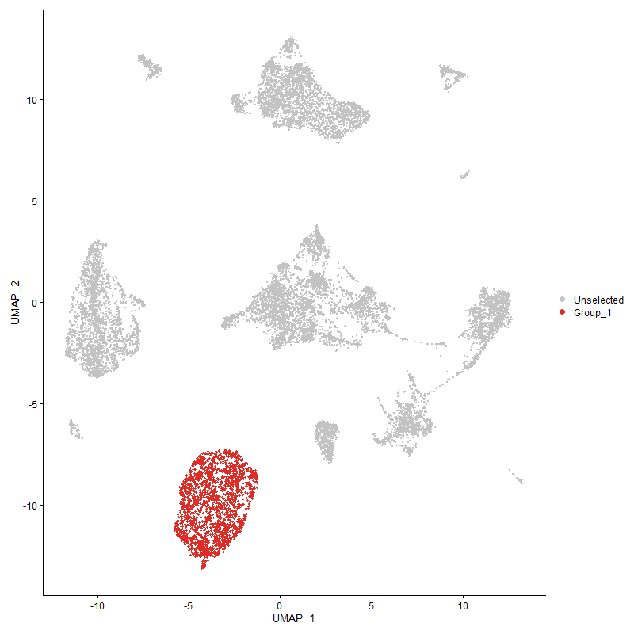
 | p_val | avg_log2FC | pct.1 | pct.2 | p_val_adj | cluster | gene
FN1 | 0 | 3.3075599031 | 0.989 | 0.019 | 0 | 3 | FN1
LOC395551 | 0 | 2.7515338606 | 0.94 | 0.074 | 0 | 3 | LOC395551
FTH1 | 0 | 2.652624482 | 0.989 | 0.533 | 0 | 3 | FTH1
VCAN | 0 | 2.6515622444 | 0.954 | 0.008 | 0 | 3 | VCAN
IFI30 | 0 | 2.6347880567 | 0.999 | 0.396 | 0 | 3 | IFI30
EXFABP | 0 | 2.587851414 | 0.743 | 0.021 | 0 | 3 | EXFABP
BLB21 | 0 | 2.5669033428 | 0.989 | 0.225 | 0 | 3 | BLB2
CSF3R | 0 | 2.3991360745 | 0.976 | 0.038 | 0 | 3 | CSF3R
ZEB2 | 0 | 2.3398143917 | 0.988 | 0.18 | 0 | 3 | ZEB2
ECM1 | 0 | 2.2315718185 | 0.966 | 0.073 | 0 | 3 | ECM1
GPX1 | 0 | 2.1953001339 | 0.964 | 0.363 | 0 | 3 | GPX1
CD741 | 0 | 2.1884753112 | 0.978 | 0.276 | 0 | 3 | CD74
FOS | 0 | 2.1272490452 | 0.996 | 0.483 | 0 | 3 | FOS
IL1B | 0 | 2.1221914274 | 0.826 | 0.03 | 0 | 3 | IL1B
MITF | 0 | 2.0523928679 | 0.951 | 0.169 | 0 | 3 | MITF
LY86 | 0 | 2.0369899006 | 0.857 | 0.008 | 0 | 3 | LY86
S100A6 | 0 | 2.0177252859 | 0.886 | 0.015 | 0 | 3 | S100A6
S100A12 | 0 | 1.957481968 | 0.589 | 0.022 | 0 | 3 | S100A12
WDFY3 | 0 | 1.9443333153 | 0.942 | 0.006 | 0 | 3 | WDFY3
BHLHE40 | 0 | 1.9425967745 | 0.862 | 0.085 | 0 | 3 | BHLHE40
KCNB2 | 0 | 1.8943426524 | 0.663 | 0.002 | 0 | 3 | KCNB2
LYN1 | 0 | 1.8918634769 | 0.98 | 0.248 | 0 | 3 | LYN
ANXA1 | 0 | 1.8893293456 | 0.869 | 0.022 | 0 | 3 | ANXA1
ANXA2 | 0 | 1.8649297974 | 0.914 | 0.057 | 0 | 3 | ANXA2
TF | 0 | 1.8318456765 | 0.897 | 0.013 | 0 | 3 | TF
TIAM1 | 0 | 1.7689243256 | 0.949 | 0.102 | 0 | 3 | TIAM1
NFE2L2 | 0 | 1.7521671508 | 0.923 | 0.057 | 0 | 3 | NFE2L2
SEPTIN5 | 0 | 1.6870470571 | 0.935 | 0.114 | 0 | 3 | SEPTIN5
J6367-mgp06 | 0 | 1.6803568754 | 1 | 0.971 | 0 | 3 | J6367-mgp06
CLU | 0 | 1.6784258121 | 0.871 | 0.044 | 0 | 3 | CLU
SLC24A41 | 0 | 1.6741776593 | 0.752 | 0.218 | 0 | 3 | SLC24A4
PPDPF | 0 | 1.6593884664 | 0.84 | 0.025 | 0 | 3 | PPDPF
SAA | 0 | 1.6428780533 | 0.618 | 0.018 | 0 | 3 | SAA
MMR1L4 | 0 | 1.6227196084 | 0.862 | 0.004 | 0 | 3 | MMR1L4
ALCAM | 0 | 1.5812658966 | 0.729 | 0.037 | 0 | 3 | ALCAM
FGL2 | 0 | 1.549852115 | 0.855 | 0.072 | 0 | 3 | FGL2
KDM7A | 0 | 1.5489259805 | 0.975 | 0.47 | 0 | 3 | KDM7A
RASGEF1A | 0 | 1.5375545691 | 0.673 | 0.204 | 0 | 3 | RASGEF1A
RAB20 | 0 | 1.5226686928 | 0.806 | 0.03 | 0 | 3 | RAB20
VIM | 0 | 1.5182828952 | 0.859 | 0.231 | 0 | 3 | VIM
NR4A3 | 0 | 1.5098049492 | 0.77 | 0.146 | 0 | 3 | NR4A3
SGK1 | 0 | 1.4833592373 | 0.801 | 0.043 | 0 | 3 | SGK1
ZNF5161 | 0 | 1.4756323821 | 0.919 | 0.164 | 0 | 3 | ZNF516
TFEC | 0 | 1.4736174413 | 0.714 | 0.004 | 0 | 3 | TFEC
OAZ1 | 0 | 1.4557554144 | 0.922 | 0.385 | 0 | 3 | OAZ1
IGF1R | 0 | 1.44327468 | 0.942 | 0.257 | 0 | 3 | IGF1R
LOC121107581 | 0 | 1.4350871368 | 0.605 | 0.009 | 0 | 3 | LOC121107581
LOC107050532 | 0 | 1.4283956968 | 0.862 | 0.025 | 0 | 3 | LOC107050532
DENND4A | 0 | 1.3920930091 | 0.862 | 0.13 | 0 | 3 | DENND4A
NRP2 | 0 | 1.3884135182 | 0.804 | 0.1 | 0 | 3 | NRP2
ACTB | 0 | 1.3710191549 | 0.965 | 0.641 | 0 | 3 | ACTB
RUBCNL | 0 | 1.3663604856 | 0.867 | 0.122 | 0 | 3 | RUBCNL
IL1RAP | 0 | 1.3593416222 | 0.824 | 0.023 | 0 | 3 | IL1RAP
CTSB | 0 | 1.3558117359 | 0.883 | 0.081 | 0 | 3 | CTSB
LBP | 0 | 1.3544597735 | 0.806 | 0.013 | 0 | 3 | LBP
LRMDA | 0 | 1.3533363177 | 0.642 | 0.076 | 0 | 3 | LRMDA
MAFB | 0 | 1.3458640345 | 0.724 | 0.003 | 0 | 3 | MAFB
MGST1 | 0 | 1.3377630152 | 0.775 | 0.018 | 0 | 3 | MGST1
IL8L2 | 0 | 1.3256840969 | 0.557 | 0.006 | 0 | 3 | IL8L2
CSF1R | 0 | 1.3212938553 | 0.836 | 0.005 | 0 | 3 | CSF1R
ASS1 | 0 | 1.3207262101 | 0.749 | 0.006 | 0 | 3 | ASS1
WWP1 | 0 | 1.3054641493 | 0.777 | 0.178 | 0 | 3 | WWP1
CRIP1 | 0 | 1.2827202449 | 0.77 | 0.209 | 0 | 3 | CRIP1
APLP2 | 0 | 1.2769327138 | 0.846 | 0.066 | 0 | 3 | APLP2
GAPDH | 0 | 1.2571452502 | 0.848 | 0.25 | 0 | 3 | GAPDH
SELENOP11 | 0 | 1.2505635894 | 0.807 | 0.194 | 0 | 3 | SELENOP1
BTBD11 | 0 | 1.2475478699 | 0.704 | 0.116 | 0 | 3 | BTBD11
TLR1B | 0 | 1.2457735572 | 0.79 | 0.037 | 0 | 3 | TLR1B
PFKFB4 | 0 | 1.2406385938 | 0.75 | 0.02 | 0 | 3 | PFKFB4
TXNRD1 | 0 | 1.2300320639 | 0.636 | 0.041 | 0 | 3 | TXNRD1
JMJD1C | 0 | 1.2274012544 | 0.941 | 0.435 | 0 | 3 | JMJD1C
GRN | 0 | 1.198206115 | 0.795 | 0.044 | 0 | 3 | GRN
GAS7 | 0 | 1.1978137654 | 0.752 | 0.046 | 0 | 3 | GAS7
RREB1 | 0 | 1.1955222826 | 0.882 | 0.212 | 0 | 3 | RREB1
ATP6V0C | 0 | 1.18785356 | 0.761 | 0.101 | 0 | 3 | ATP6V0C
ATP8B4 | 0 | 1.1795229062 | 0.663 | 0.004 | 0 | 3 | ATP8B4
TRIO | 0 | 1.1696074376 | 0.9 | 0.36 | 0 | 3 | TRIO
CHD7 | 0 | 1.1647231456 | 0.898 | 0.351 | 0 | 3 | CHD7
MAMLD1 | 0 | 1.1593762505 | 0.844 | 0.258 | 0 | 3 | MAMLD1
BLB11 | 0 | 1.1592344427 | 0.892 | 0.196 | 0 | 3 | BLB1
J6367-mgp07 | 0 | 1.1278302757 | 1 | 1 | 0 | 3 | J6367-mgp07
TET2 | 0 | 1.1180296994 | 0.905 | 0.366 | 0 | 3 | TET2
AGAP1 | 0 | 1.1110775213 | 0.835 | 0.204 | 0 | 3 | AGAP1
SPI11 | 0 | 1.1097042798 | 0.802 | 0.105 | 0 | 3 | SPI1
PRNP | 0 | 1.1057513696 | 0.755 | 0.061 | 0 | 3 | PRNP
LAPTM4A | 0 | 1.1011119604 | 0.848 | 0.186 | 0 | 3 | LAPTM4A
J6367-mgp11 | 0 | 1.0994881296 | 1 | 1 | 0 | 3 | J6367-mgp11
MYOF | 0 | 1.09418422 | 0.631 | 0.002 | 0 | 3 | MYOF
GBE1 | 0 | 1.0901083196 | 0.716 | 0.167 | 0 | 3 | GBE1
LOC420419 | 0 | 1.0878117118 | 0.708 | 0.078 | 0 | 3 | LOC420419
PIK3R5 | 0 | 1.0827271187 | 0.866 | 0.253 | 0 | 3 | PIK3R5
RASSF2 | 0 | 1.0759164934 | 0.808 | 0.186 | 0 | 3 | RASSF2
RNASET2 | 0 | 1.073703867 | 0.736 | 0.067 | 0 | 3 | RNASET2
IL1R2 | 0 | 1.073614952 | 0.374 | 0.004 | 0 | 3 | IL1R2
LAPTM5 | 0 | 1.069358314 | 0.824 | 0.256 | 0 | 3 | LAPTM5
ANTXR2 | 0 | 1.0609494288 | 0.868 | 0.367 | 0 | 3 | ANTXR2
LGMN | 0 | 1.0581324837 | 0.754 | 0.123 | 0 | 3 | LGMN
PPARG | 0 | 1.0573294132 | 0.478 | 0.002 | 0 | 3 | PPARG
ANGPT1 | 0 | 1.0491697423 | 0.59 | 0.013 | 0 | 3 | ANGPT1
FGD4 | 0 | 1.0450003702 | 0.574 | 0.038 | 0 | 3 | FGD4
J6367-mgp03 | 0 | 1.0427913995 | 1 | 0.987 | 0 | 3 | J6367-mgp03
HMOX1 | 0 | 1.0397424584 | 0.533 | 0.006 | 0 | 3 | HMOX1
J6367-mgp04 | 0 | 1.0306378578 | 0.998 | 0.971 | 0 | 3 | J6367-mgp04
SLC8A1 | 0 | 1.0298412326 | 0.631 | 0.005 | 0 | 3 | SLC8A1
MARCH81 | 0 | 1.0246197052 | 0.898 | 0.331 | 0 | 3 | MARCH8
CTSS | 0 | 1.0216264091 | 0.753 | 0.12 | 0 | 3 | CTSS
CD811 | 0 | 1.0177932038 | 0.795 | 0.174 | 0 | 3 | CD81
ITSN1 | 0 | 1.0157666996 | 0.757 | 0.106 | 0 | 3 | ITSN1
PTPN2 | 0 | 1.0144968788 | 0.846 | 0.328 | 0 | 3 | PTPN2
ABCA9 | 0 | 1.0137696349 | 0.667 | 0.005 | 0 | 3 | ABCA9
TGFBI | 0 | 0.99347537237 | 0.591 | 0.002 | 0 | 3 | TGFBI
PITPNA | 0 | 0.99104065376 | 0.785 | 0.187 | 0 | 3 | PITPNA
FNDC3B | 0 | 0.98698202082 | 0.713 | 0.08 | 0 | 3 | FNDC3B
TIMP2 | 0 | 0.98345033226 | 0.657 | 0.041 | 0 | 3 | TIMP2
PI3 | 0 | 0.98149197235 | 0.387 | 0.012 | 0 | 3 | PI3
LSP1P1 | 0 | 0.97117291686 | 0.867 | 0.343 | 0 | 3 | LSP1P1
LOC101750635 | 0 | 0.96812113712 | 0.679 | 0.032 | 0 | 3 | LOC101750635
EMP1 | 0 | 0.96197702203 | 0.573 | 0.035 | 0 | 3 | EMP1
ANKRD13A | 0 | 0.9518427192 | 0.73 | 0.114 | 0 | 3 | ANKRD13A
FNIP1 | 0 | 0.95047768708 | 0.71 | 0.207 | 0 | 3 | FNIP1
IPCEF1 | 0 | 0.94482603145 | 0.764 | 0.189 | 0 | 3 | IPCEF1
J6367-mgp08 | 0 | 0.94224532768 | 1 | 0.999 | 0 | 3 | J6367-mgp08
CTSH | 0 | 0.93585640399 | 0.723 | 0.121 | 0 | 3 | CTSH
EPN2 | 0 | 0.92443586847 | 0.794 | 0.251 | 0 | 3 | EPN2
FRY | 0 | 0.91970990393 | 0.756 | 0.162 | 0 | 3 | FRY
CST3 | 0 | 0.91936588808 | 0.657 | 0.087 | 0 | 3 | CST3
ITM2A | 0 | 0.9191753257 | 0.891 | 0.442 | 0 | 3 | ITM2A
ATRN1 | 0 | 0.90909677681 | 0.915 | 0.394 | 0 | 3 | ATRN
MAML21 | 0 | 0.90512360624 | 0.65 | 0.131 | 0 | 3 | MAML2
SORBS1 | 0 | 0.90047384741 | 0.607 | 0.019 | 0 | 3 | SORBS1
HTR1F | 0 | 0.89708399016 | 0.489 | 0.039 | 0 | 3 | HTR1F
PLSCR1 | 0 | 0.89244277384 | 0.597 | 0.036 | 0 | 3 | PLSCR1
LRP1 | 0 | 0.88841932654 | 0.647 | 0.004 | 0 | 3 | LRP1
FAP | 0 | 0.88813586452 | 0.542 | 0.006 | 0 | 3 | FAP
AHR1A | 0 | 0.87920934885 | 0.684 | 0.142 | 0 | 3 | AHR1A
USP6 | 0 | 0.87455377579 | 0.786 | 0.29 | 0 | 3 | USP6
CTSZ | 0 | 0.87198869756 | 0.623 | 0.034 | 0 | 3 | CTSZ
FOSL2 | 0 | 0.86933360537 | 0.707 | 0.132 | 0 | 3 | FOSL2
IL8L1 | 6.6561524666E-289 | 0.86729985443 | 0.1 | 0.002 | 1.0164610432E-284 | 3 | IL8L1
GSL | 0 | 0.86148003583 | 0.613 | 0.006 | 0 | 3 | GSL
TPP1 | 0 | 0.85709039356 | 0.708 | 0.115 | 0 | 3 | TPP1
C9ORF58 | 0 | 0.85139697152 | 0.567 | 0.009 | 0 | 3 | C9ORF58
NHSL1 | 0 | 0.84972769147 | 0.429 | 0.018 | 0 | 3 | NHSL1
AZIN1 | 0 | 0.84584871029 | 0.677 | 0.106 | 0 | 3 | AZIN1
SRGAP2 | 0 | 0.84467132615 | 0.626 | 0.048 | 0 | 3 | SRGAP2
LGALS1A | 0 | 0.84458329084 | 0.558 | 0.013 | 0 | 3 | LGALS1A
CAMK1D | 0 | 0.83705956697 | 0.861 | 0.405 | 0 | 3 | CAMK1D
AHRR | 0 | 0.83156038144 | 0.444 | 0.008 | 0 | 3 | AHRR
SKAP2 | 0 | 0.82927447302 | 0.803 | 0.291 | 0 | 3 | SKAP2
NET1 | 0 | 0.82633984968 | 0.56 | 0.007 | 0 | 3 | NET1
CPEB2 | 0 | 0.82572621147 | 0.547 | 0.11 | 0 | 3 | CPEB2
LDHA | 0 | 0.82384479999 | 0.585 | 0.061 | 0 | 3 | LDHA
GSTA3 | 0 | 0.82324429354 | 0.517 | 0.002 | 0 | 3 | GSTA3
TNS1 | 0 | 0.82315307984 | 0.619 | 0.013 | 0 | 3 | TNS1
RASGEF1B | 0 | 0.8226371328 | 0.493 | 0.001 | 0 | 3 | RASGEF1B
DMA1 | 0 | 0.82224734402 | 0.631 | 0.083 | 0 | 3 | DMA
RSFR | 0 | 0.81645974805 | 0.523 | 0.003 | 0 | 3 | RSFR
J6367-mgp10 | 0 | 0.81433556215 | 1 | 0.999 | 0 | 3 | J6367-mgp10
MECR | 0 | 0.81404127439 | 0.608 | 0.017 | 0 | 3 | MECR
TXN | 0 | 0.80826780475 | 0.594 | 0.052 | 0 | 3 | TXN
SDCBP | 0 | 0.80675132505 | 0.636 | 0.079 | 0 | 3 | SDCBP
BF2 | 0 | 0.80413352112 | 0.961 | 0.658 | 0 | 3 | BF2
SLC2A9 | 0 | 0.80198494341 | 0.457 | 0.004 | 0 | 3 | SLC2A9
MAFF | 0 | 0.79887077065 | 0.537 | 0.021 | 0 | 3 | MAFF
SPSB1 | 0 | 0.79472506337 | 0.648 | 0.121 | 0 | 3 | SPSB1
RASGRP11 | 0 | 0.79197109011 | 0.773 | 0.37 | 0 | 3 | RASGRP1
CD831 | 0 | 0.78997138985 | 0.551 | 0.183 | 0 | 3 | CD83
EEPD1 | 0 | 0.78834045245 | 0.695 | 0.227 | 0 | 3 | EEPD1
RPS6KA3 | 0 | 0.77977486236 | 0.857 | 0.434 | 0 | 3 | RPS6KA3
E2F3 | 0 | 0.77885190594 | 0.553 | 0.039 | 0 | 3 | E2F3
RAB7A | 0 | 0.77241790363 | 0.664 | 0.169 | 0 | 3 | RAB7A
MPEG1 | 0 | 0.77068153576 | 0.543 | 0.016 | 0 | 3 | MPEG1
PLA2R1 | 0 | 0.76956344465 | 0.536 | 0.022 | 0 | 3 | PLA2R1
LAMP1 | 0 | 0.76839666537 | 0.664 | 0.106 | 0 | 3 | LAMP1
EFHD1 | 0 | 0.76737040885 | 0.589 | 0.056 | 0 | 3 | EFHD1
ITGAD | 0 | 0.7657281986 | 0.685 | 0.12 | 0 | 3 | ITGAD
GPAT3 | 0 | 0.76291711064 | 0.536 | 0.035 | 0 | 3 | GPAT3
SMAP2 | 0 | 0.76072412695 | 0.77 | 0.233 | 0 | 3 | SMAP2
SPINK2 | 0 | 0.76055616958 | 0.362 | 0.002 | 0 | 3 | SPINK2
BMP2K | 0 | 0.7602461265 | 0.893 | 0.519 | 0 | 3 | BMP2K
BCL6 | 0 | 0.75974436375 | 0.556 | 0.114 | 0 | 3 | BCL6
PLXNA1 | 0 | 0.75705346482 | 0.426 | 0.023 | 0 | 3 | PLXNA1
PSAP | 0 | 0.75592229076 | 0.584 | 0.059 | 0 | 3 | PSAP
J6367-mgp011 | 0 | 0.75505954501 | 0.997 | 0.86 | 0 | 3 | J6367-mgp01
IL18 | 0 | 0.75266922517 | 0.517 | 0.073 | 0 | 3 | IL18
SLC16A3 | 0 | 0.7512161029 | 0.477 | 0.037 | 0 | 3 | SLC16A3
ELL | 0 | 0.74814441125 | 0.674 | 0.169 | 0 | 3 | ELL
CD99 | 0 | 0.74752097415 | 0.54 | 0.018 | 0 | 3 | CD99
BACH1 | 0 | 0.74634448598 | 0.605 | 0.096 | 0 | 3 | BACH1
IMPA2 | 0 | 0.74615536277 | 0.553 | 0.119 | 0 | 3 | IMPA2
TNFRSF21 | 0 | 0.74595264508 | 0.702 | 0.192 | 0 | 3 | TNFRSF21
PARD3 | 0 | 0.7434860143 | 0.42 | 0.008 | 0 | 3 | PARD3
EEF2 | 0 | 0.74265427242 | 0.782 | 0.414 | 0 | 3 | EEF2
NEK6 | 0 | 0.74225979191 | 0.643 | 0.155 | 0 | 3 | NEK6
LCP1 | 0 | 0.73898218975 | 0.777 | 0.319 | 0 | 3 | LCP1
MMP9 | 0 | 0.73331760235 | 0.317 | 0.006 | 0 | 3 | MMP9
PID1 | 0 | 0.73223078762 | 0.471 | 0.001 | 0 | 3 | PID1
AVD | 0 | 0.73155512255 | 0.335 | 0.003 | 0 | 3 | AVD
CCR5 | 0 | 0.72563733384 | 0.524 | 0.011 | 0 | 3 | CCR5
KIAA0930 | 0 | 0.72500155651 | 0.516 | 0.072 | 0 | 3 | KIAA0930
CREM | 0 | 0.72393964864 | 0.583 | 0.098 | 0 | 3 | CREM
PLXNC11 | 0 | 0.72308135979 | 0.817 | 0.29 | 0 | 3 | PLXNC1
EGR1 | 0 | 0.71903450609 | 0.549 | 0.088 | 0 | 3 | EGR1
TLR2A | 0 | 0.71334165275 | 0.519 | 0.01 | 0 | 3 | TLR2A
TNIP2 | 0 | 0.71090836697 | 0.471 | 0.118 | 0 | 3 | TNIP2
MXI1 | 0 | 0.70483390037 | 0.388 | 0.077 | 0 | 3 | MXI1
FABP3 | 0 | 0.69916828232 | 0.446 | 0.002 | 0 | 3 | FABP3
MXD1 | 0 | 0.6960143125 | 0.553 | 0.054 | 0 | 3 | MXD1
SAT11 | 0 | 0.6955724868 | 0.723 | 0.238 | 0 | 3 | SAT1
CD88 | 0 | 0.69526645856 | 0.471 | 0.032 | 0 | 3 | CD88
SH3BGRL | 0 | 0.69435337414 | 0.867 | 0.502 | 0 | 3 | SH3BGRL
ELMSAN1 | 0 | 0.69115202988 | 0.576 | 0.152 | 0 | 3 | ELMSAN1
TIPARP | 0 | 0.6905469566 | 0.679 | 0.263 | 0 | 3 | TIPARP
MARK1 | 0 | 0.69013648235 | 0.525 | 0.067 | 0 | 3 | MARK1
LOC107050955 | 0 | 0.6901155077 | 0.602 | 0.134 | 0 | 3 | LOC107050955
DCLK3 | 0 | 0.68797100904 | 0.45 | 0.004 | 0 | 3 | DCLK3
PLEKHA5 | 0 | 0.68356810977 | 0.461 | 0.031 | 0 | 3 | PLEKHA5
ACSL1 | 0 | 0.68058407763 | 0.386 | 0.005 | 0 | 3 | ACSL1
J6367-mgp13 | 0 | 0.68030709656 | 0.999 | 0.996 | 0 | 3 | J6367-mgp13
GADD45B | 0 | 0.67986190282 | 0.522 | 0.053 | 0 | 3 | GADD45B
NPC2 | 0 | 0.67642329935 | 0.504 | 0.036 | 0 | 3 | NPC2
DUSP1 | 0 | 0.67592622256 | 0.707 | 0.312 | 0 | 3 | DUSP1
FES | 0 | 0.6731825177 | 0.507 | 0.018 | 0 | 3 | FES
ALS2L | 0 | 0.67174642001 | 0.459 | 0.008 | 0 | 3 | ALS2L
CTSC1 | 0 | 0.67007551031 | 0.638 | 0.155 | 0 | 3 | CTSC
TAX1BP1 | 0 | 0.6696693791 | 0.74 | 0.285 | 0 | 3 | TAX1BP1
TAB3 | 0 | 0.66564620624 | 0.685 | 0.237 | 0 | 3 | TAB3
HMGCS11 | 0 | 0.66349387751 | 0.539 | 0.173 | 0 | 3 | HMGCS1
SPECC1 | 0 | 0.66217931473 | 0.47 | 0.027 | 0 | 3 | SPECC1
APP | 0 | 0.66214330954 | 0.714 | 0.221 | 0 | 3 | APP
BCAT1 | 0 | 0.66086693544 | 0.791 | 0.362 | 0 | 3 | BCAT1
DSTN | 0 | 0.6582584273 | 0.92 | 0.617 | 0 | 3 | DSTN
PABPC1 | 0 | 0.65662214929 | 0.926 | 0.634 | 0 | 3 | PABPC1
SBNO2 | 0 | 0.65586902875 | 0.598 | 0.152 | 0 | 3 | SBNO2
NCOR2 | 0 | 0.65340241431 | 0.884 | 0.537 | 0 | 3 | NCOR2
CADM1 | 0 | 0.65207976122 | 0.352 | 0.002 | 0 | 3 | CADM1
PGD | 0 | 0.64631676349 | 0.508 | 0.034 | 0 | 3 | PGD
DMB2 | 0 | 0.64587313339 | 0.532 | 0.07 | 0 | 3 | DMB2
PTPRN2 | 0 | 0.64322201778 | 0.258 | 0.002 | 0 | 3 | PTPRN2
ITGAV | 0 | 0.64271799999 | 0.687 | 0.166 | 0 | 3 | ITGAV
SIPA1L2 | 0 | 0.64204482349 | 0.456 | 0.033 | 0 | 3 | SIPA1L2
BTG2 | 0 | 0.64109531327 | 0.742 | 0.297 | 0 | 3 | BTG2
F10 | 0 | 0.63786632294 | 0.476 | 0.017 | 0 | 3 | F10
AP1S2 | 0 | 0.63756317076 | 0.549 | 0.077 | 0 | 3 | AP1S2
CCR2 | 0 | 0.63389573834 | 0.447 | 0.007 | 0 | 3 | CCR2
ZBTB201 | 0 | 0.63366327319 | 0.817 | 0.334 | 0 | 3 | ZBTB20
KCTD12 | 0 | 0.6314314805 | 0.457 | 0.028 | 0 | 3 | KCTD12
CAST | 0 | 0.62965376914 | 0.587 | 0.127 | 0 | 3 | CAST
PDE4B | 0 | 0.6295397551 | 0.611 | 0.191 | 0 | 3 | PDE4B
PKLR | 0 | 0.62861847445 | 0.588 | 0.134 | 0 | 3 | PKLR
LOC100857883 | 0 | 0.62788919173 | 0.474 | 0.003 | 0 | 3 | LOC100857883
SMOX | 0 | 0.62578975296 | 0.42 | 0.003 | 0 | 3 | SMOX
CALM2 | 6.5169590038E-302 | 0.62524720813 | 0.676 | 0.319 | 9.9520480947E-298 | 3 | CALM2
DOCK4 | 0 | 0.62515304623 | 0.388 | 0.007 | 0 | 3 | DOCK4
PARVB | 0 | 0.62463124562 | 0.486 | 0.035 | 0 | 3 | PARVB
SLC1A6 | 0 | 0.62136168681 | 0.453 | 0.003 | 0 | 3 | SLC1A6
LOC107055390 | 0 | 0.62014282021 | 0.424 | 0.096 | 0 | 3 | LOC107055390
RP2 | 0 | 0.61932473065 | 0.548 | 0.091 | 0 | 3 | RP2
TBXAS11 | 0 | 0.61700706237 | 0.73 | 0.236 | 0 | 3 | TBXAS1
HSPA5 | 2.5192695099E-259 | 0.61494811063 | 0.579 | 0.252 | 3.8471764686E-255 | 3 | HSPA5
IQGAP2 | 4.1376172046E-209 | 0.61378639339 | 0.857 | 0.598 | 6.3185552331E-205 | 3 | IQGAP2
PLEKHM3 | 0 | 0.61356988112 | 0.398 | 0.036 | 0 | 3 | PLEKHM3
ENO1 | 0 | 0.613423382 | 0.712 | 0.294 | 0 | 3 | ENO1
PPARA | 0 | 0.61249777662 | 0.415 | 0.036 | 0 | 3 | PPARA
RHOA | 0 | 0.61209702679 | 0.759 | 0.371 | 0 | 3 | RHOA
EFNA5 | 0 | 0.61188192769 | 0.35 | 0 | 0 | 3 | EFNA5
RAB1B | 0 | 0.61077427306 | 0.712 | 0.266 | 0 | 3 | RAB1B
ZDHHC14 | 0 | 0.60921231034 | 0.656 | 0.211 | 0 | 3 | ZDHHC14
ARHGAP121 | 0 | 0.60737869965 | 0.634 | 0.168 | 0 | 3 | ARHGAP12
SLC16A7 | 0 | 0.60725047896 | 0.352 | 0.001 | 0 | 3 | SLC16A7
PRKAG2 | 0 | 0.60238793159 | 0.532 | 0.127 | 0 | 3 | PRKAG2
TPM3 | 0 | 0.60175866949 | 0.804 | 0.403 | 0 | 3 | TPM3
SERTAD2 | 1.3349456927E-283 | 0.60164464318 | 0.68 | 0.318 | 2.0385955673E-279 | 3 | SERTAD2
RACK1 | 1.3490081587E-233 | 0.60161190245 | 0.792 | 0.472 | 2.0600703591E-229 | 3 | RACK1
...

Cluster4
...
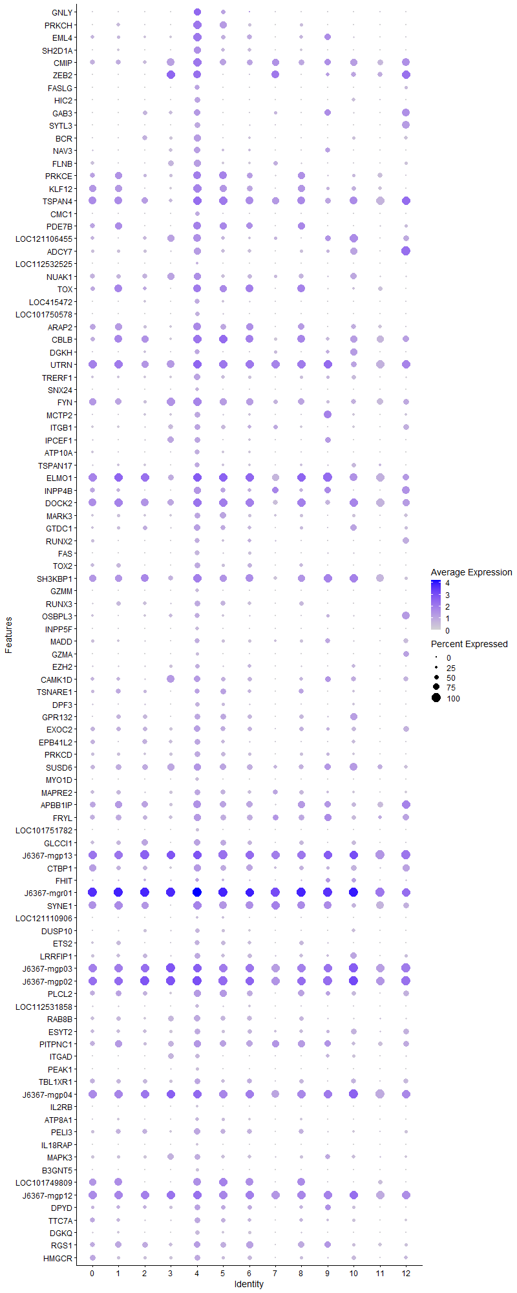
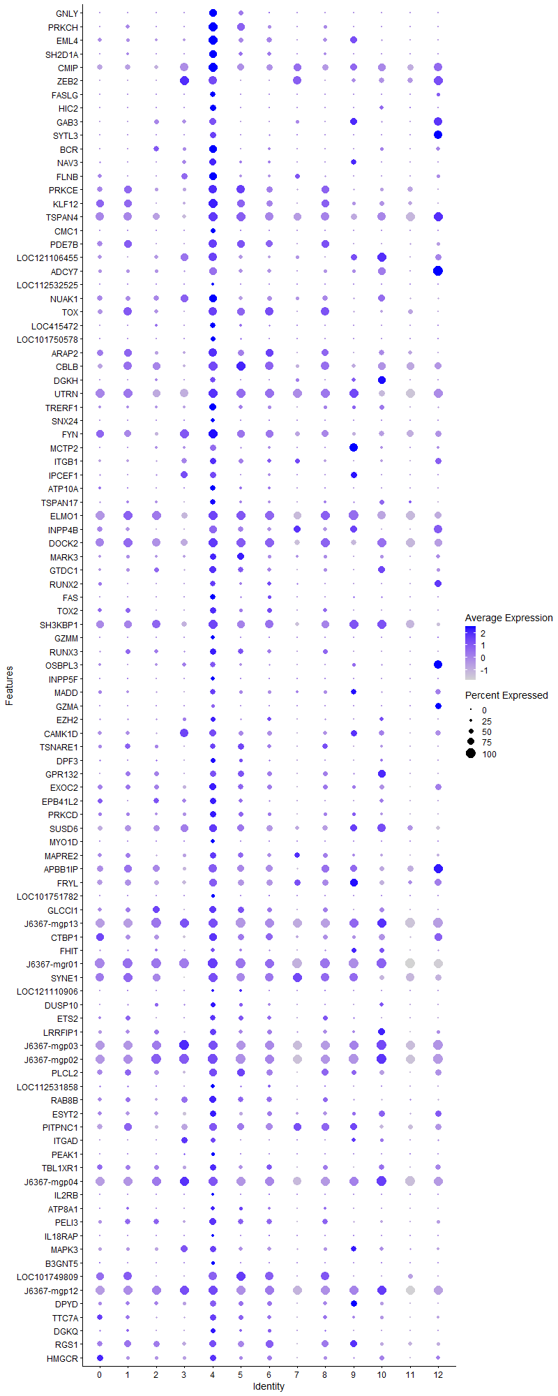
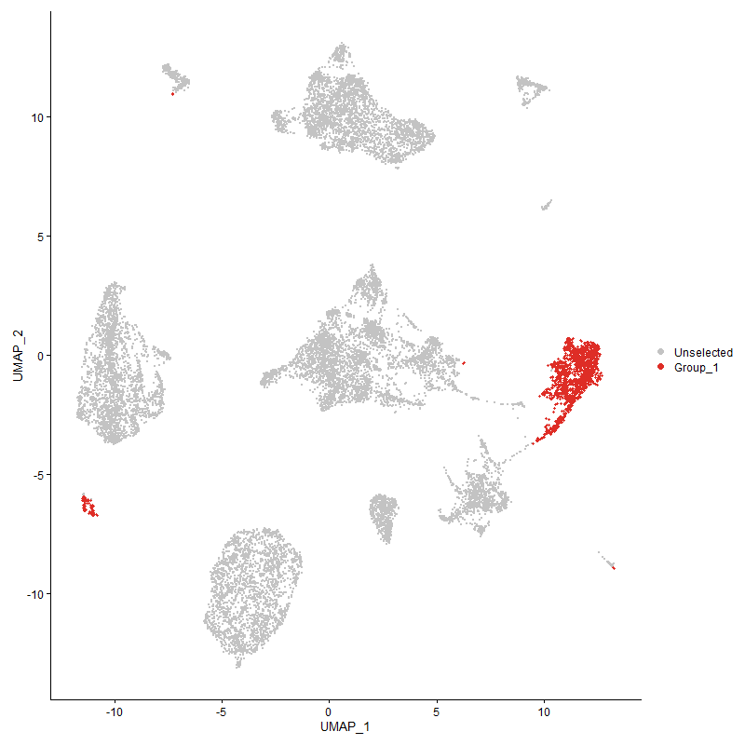
...

Cluster5
...
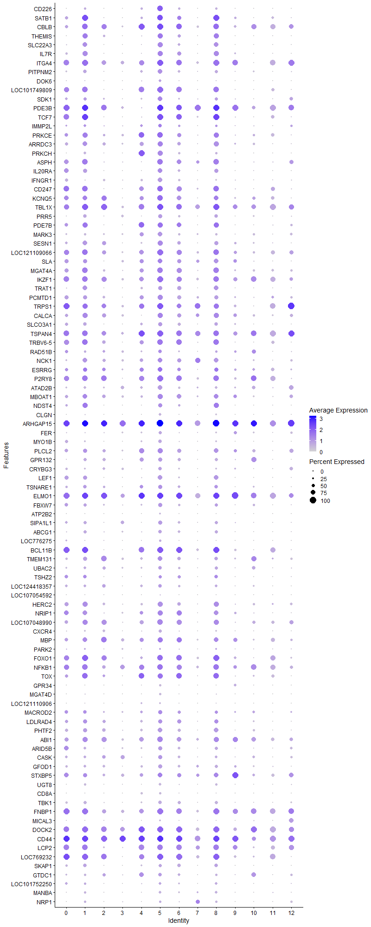
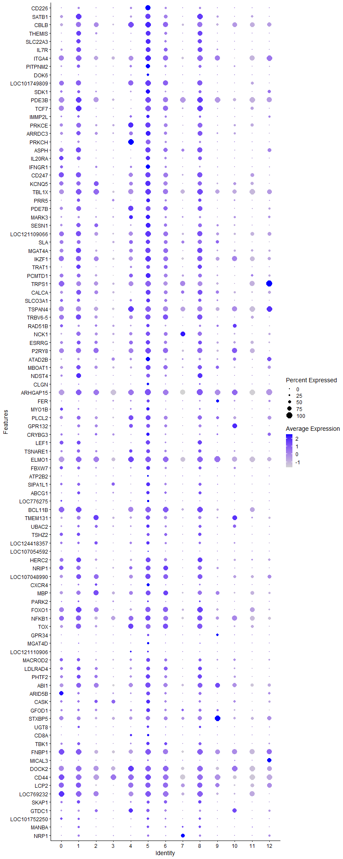
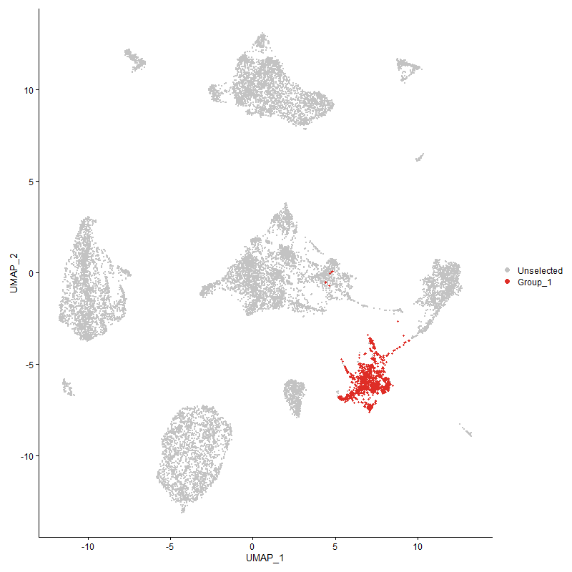
...

Cluster6
...
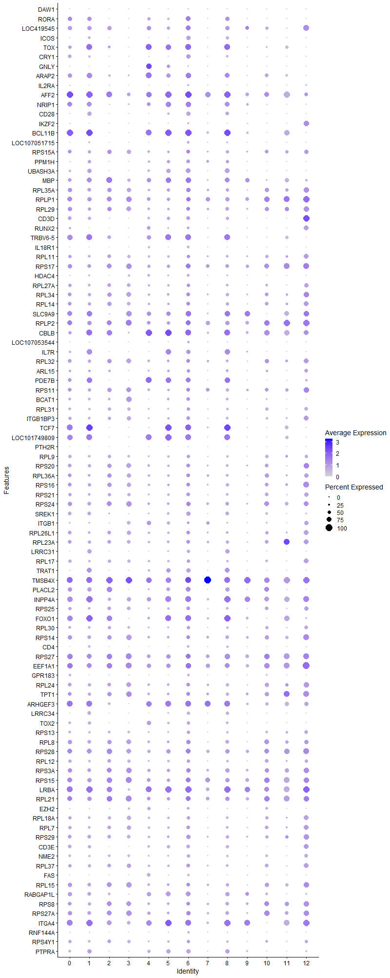
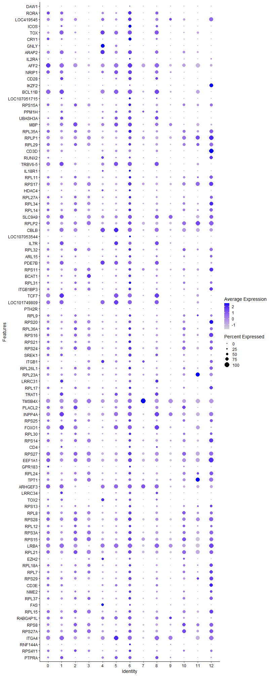
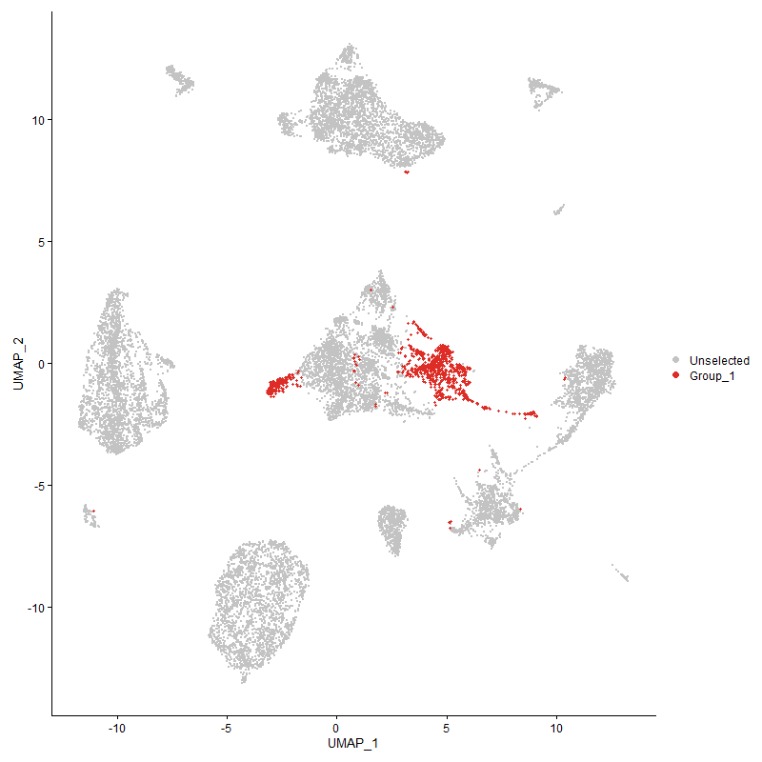
...

Cluster7
...
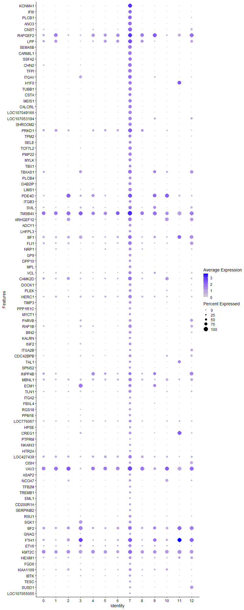
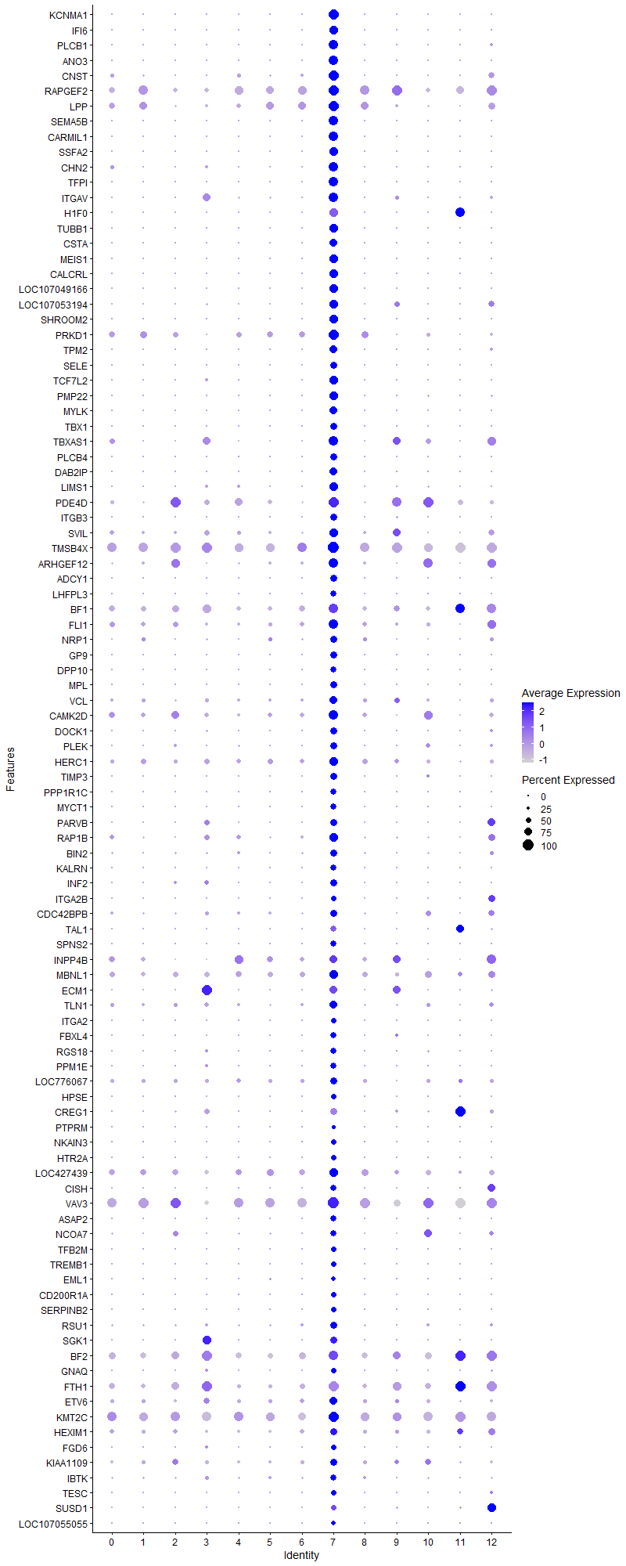
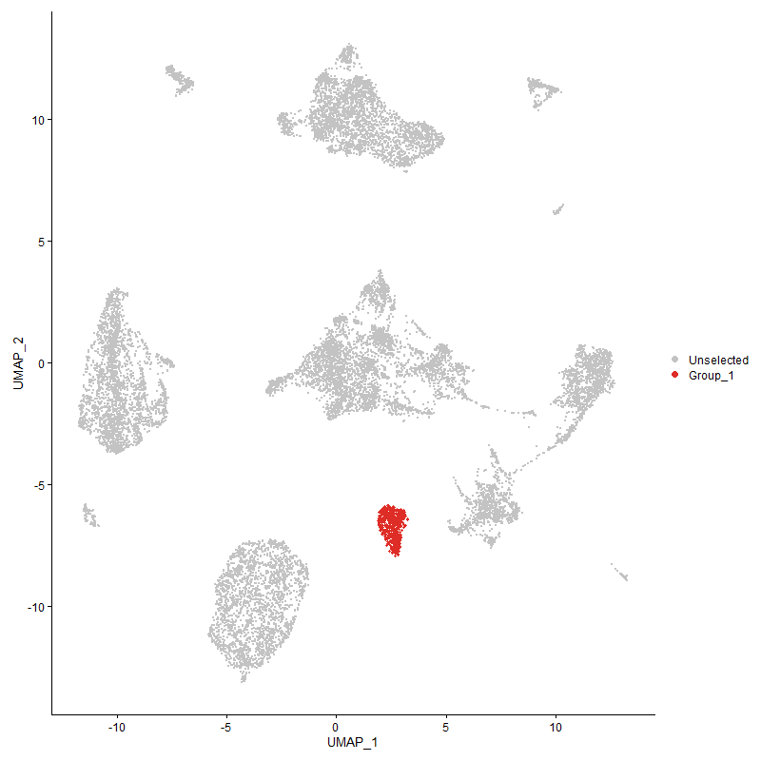
...

Cluster8
...
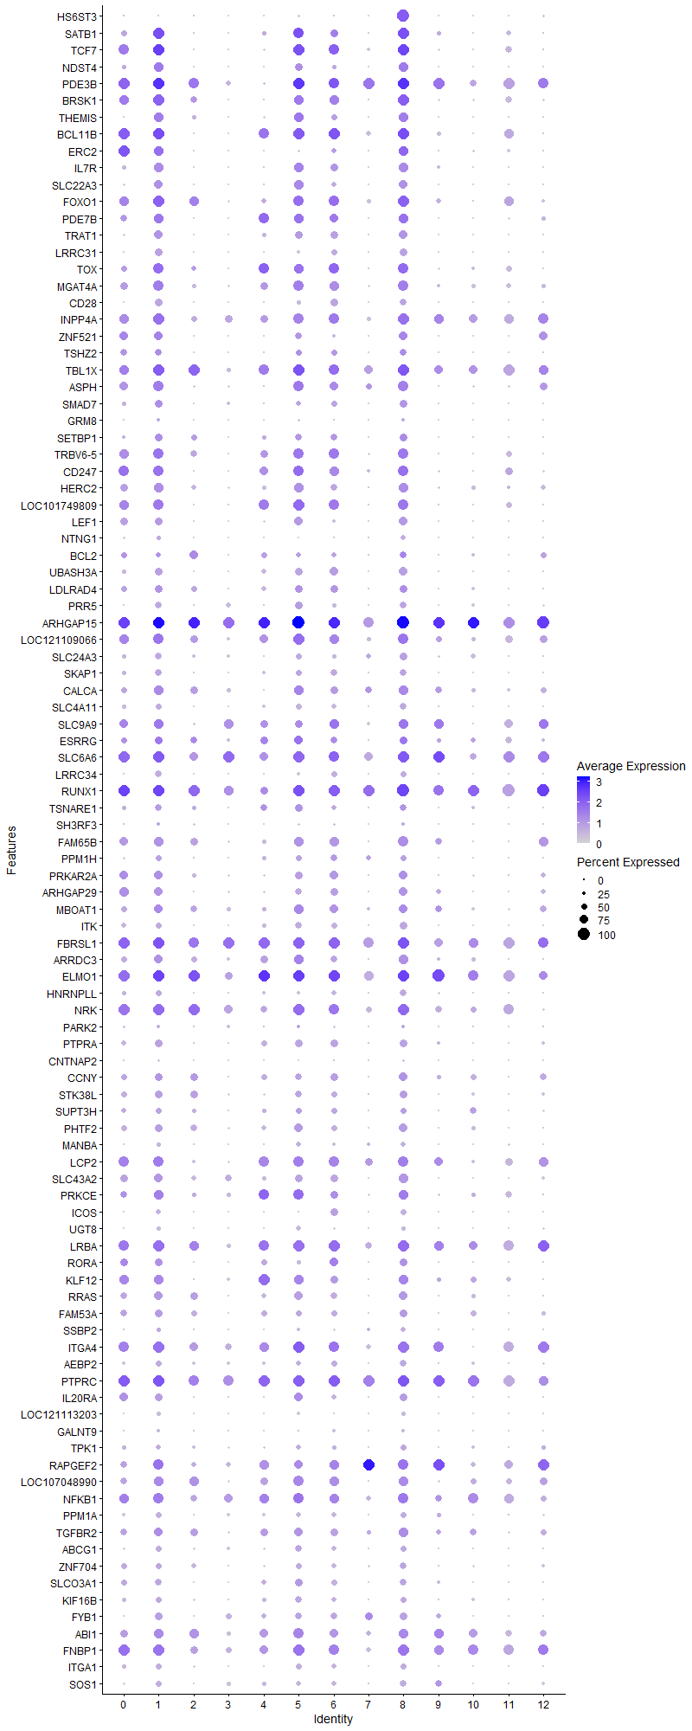
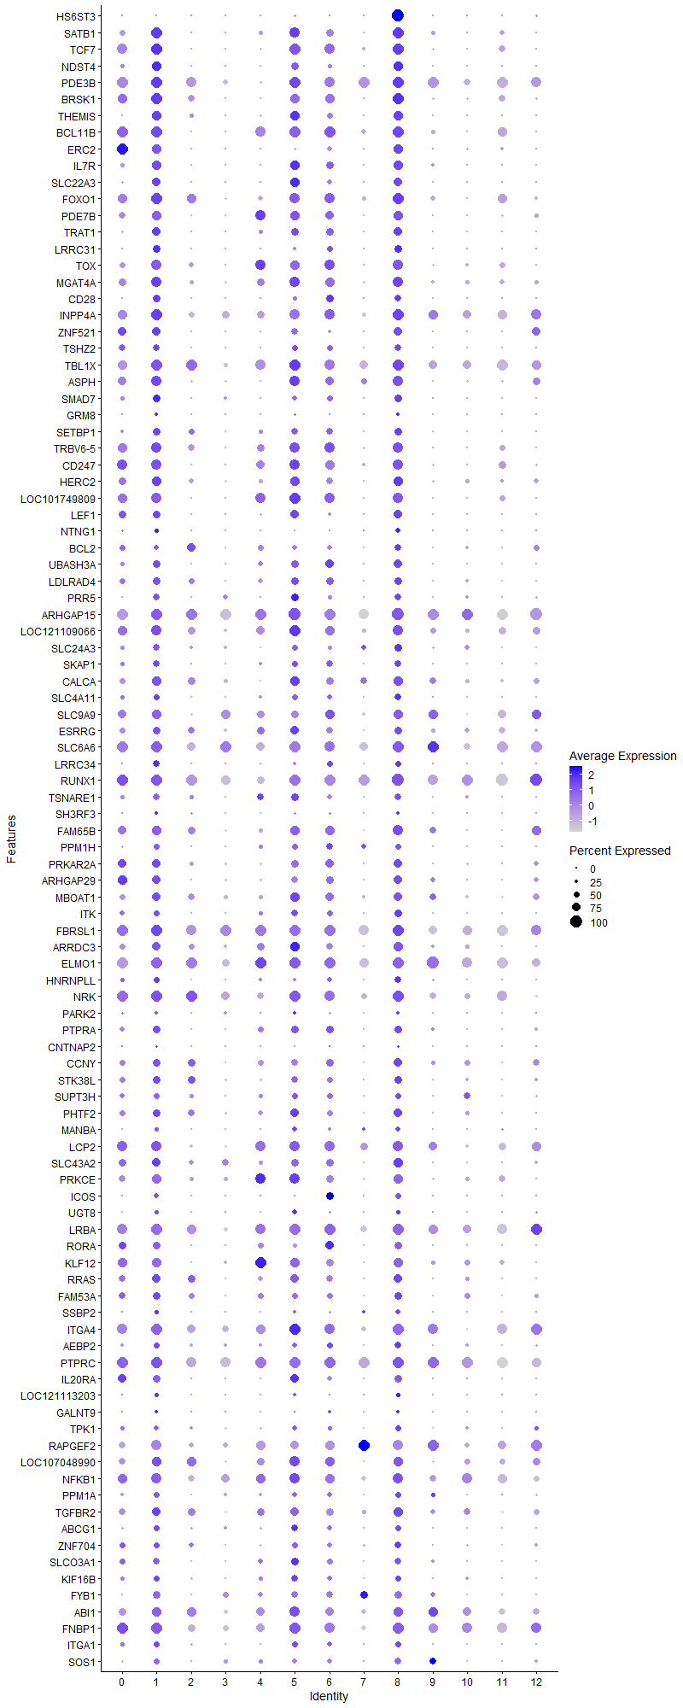
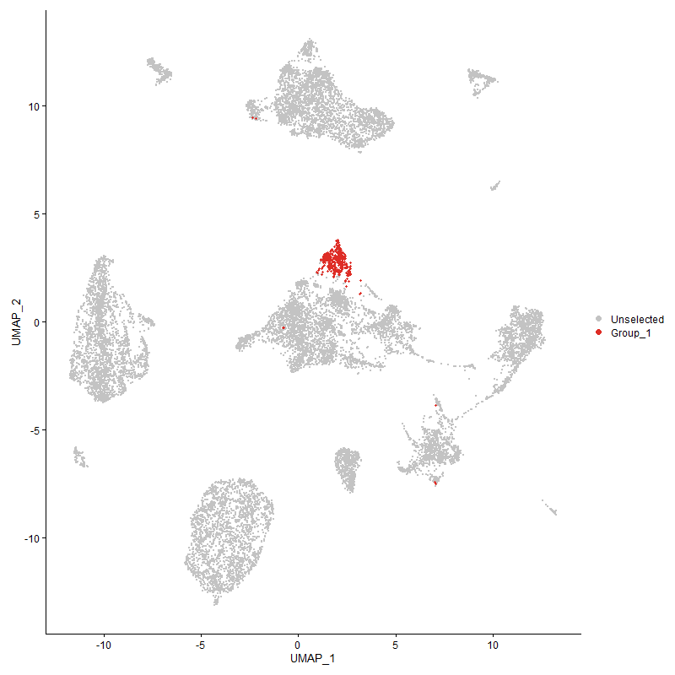
...

Cluster9
...
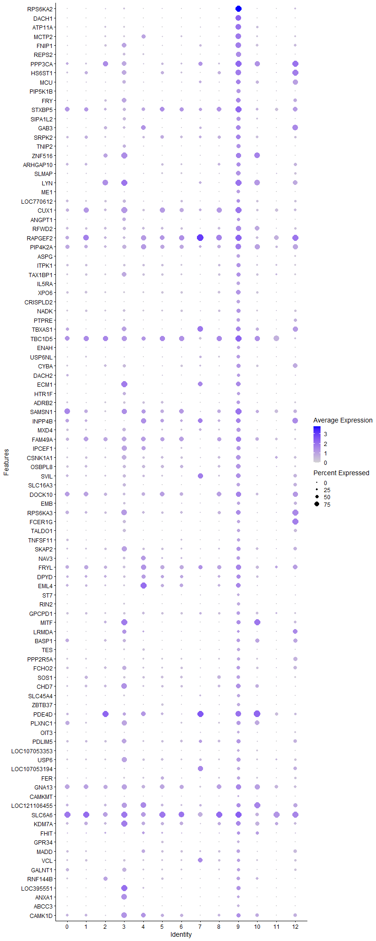
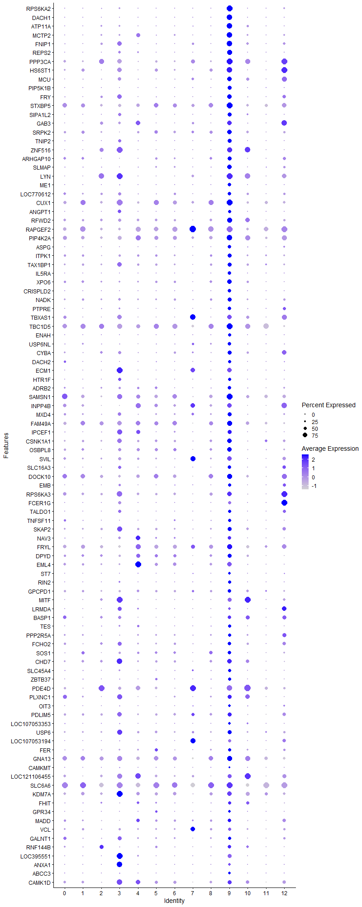
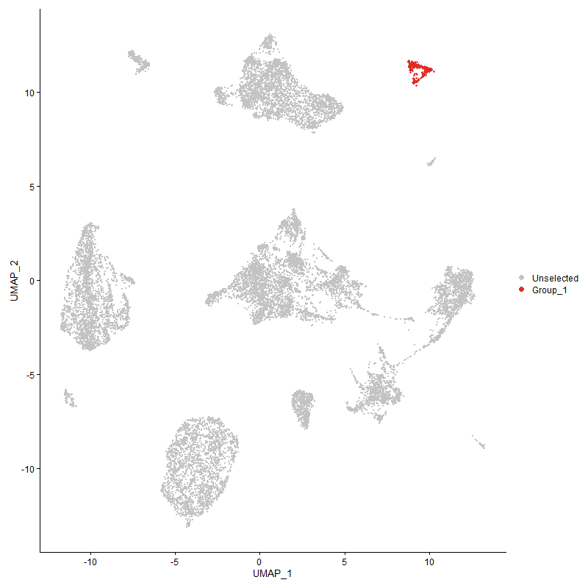
...

Cluster10
...
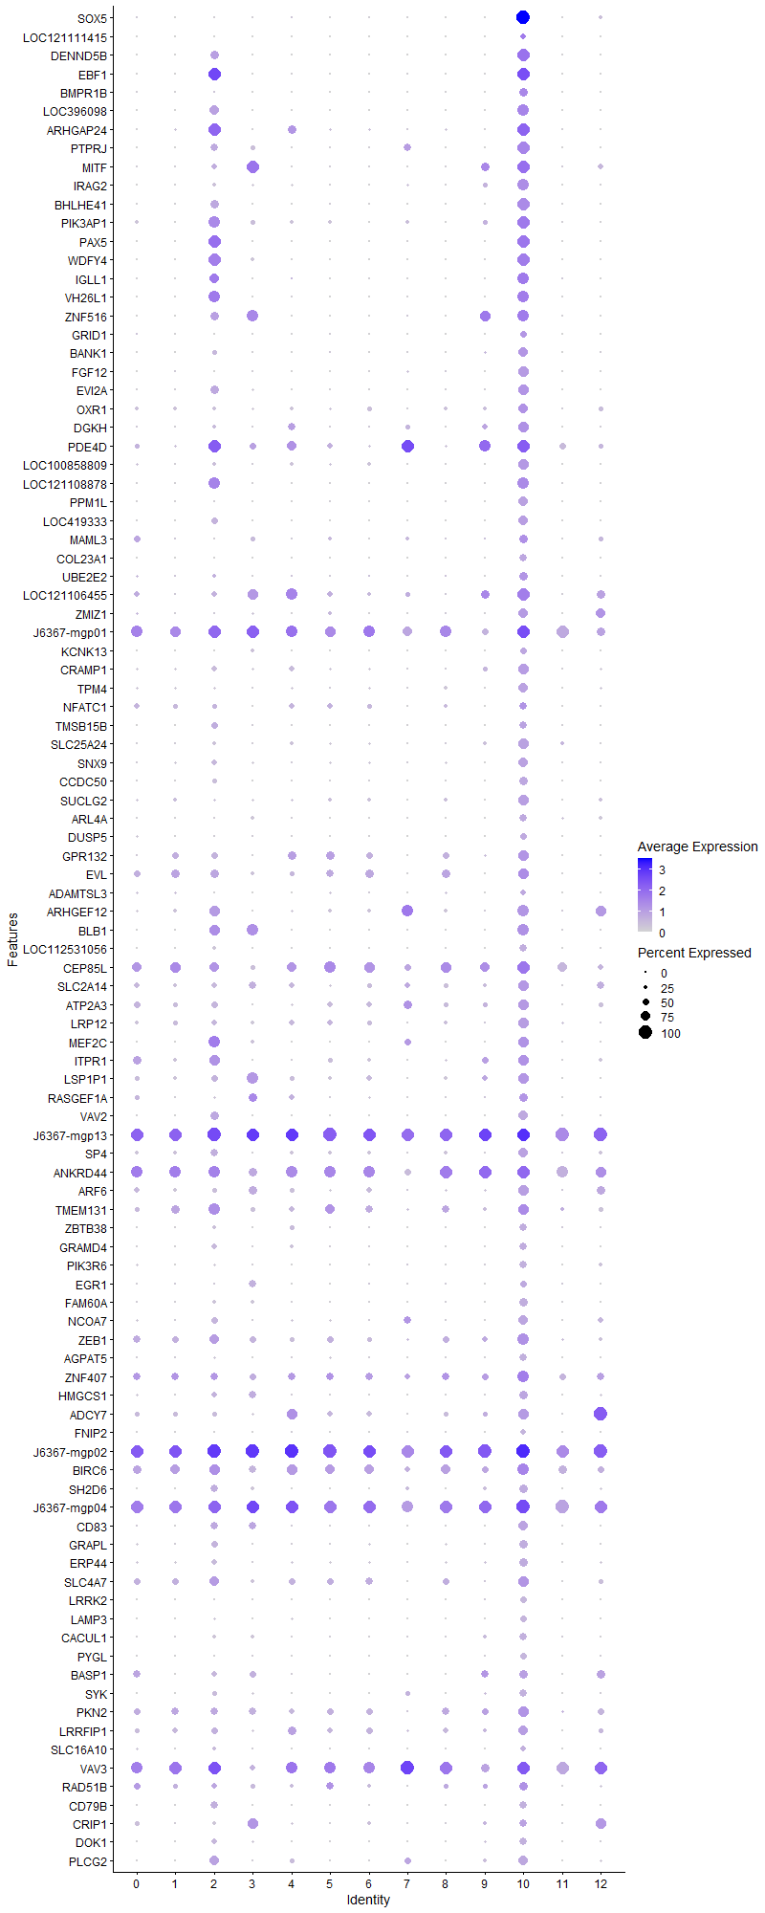
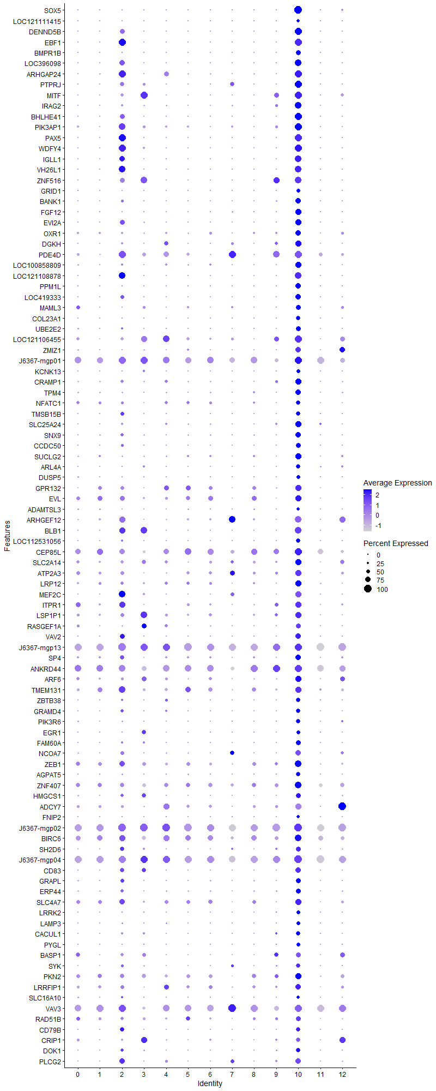
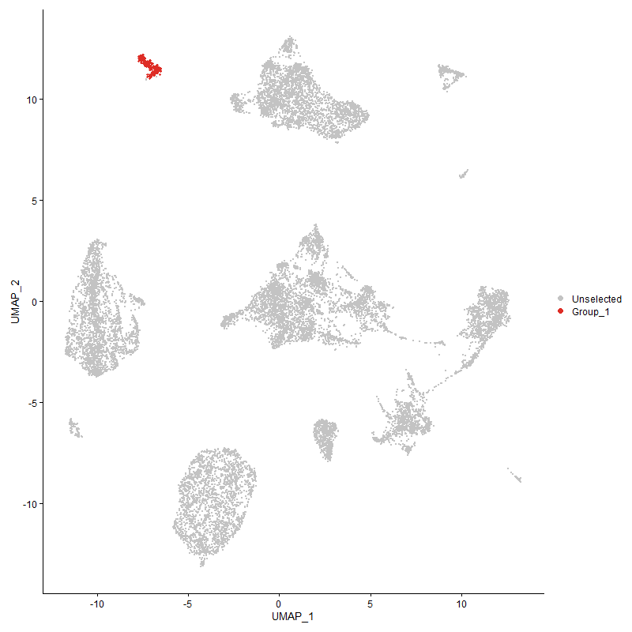
...

Cluster11
...
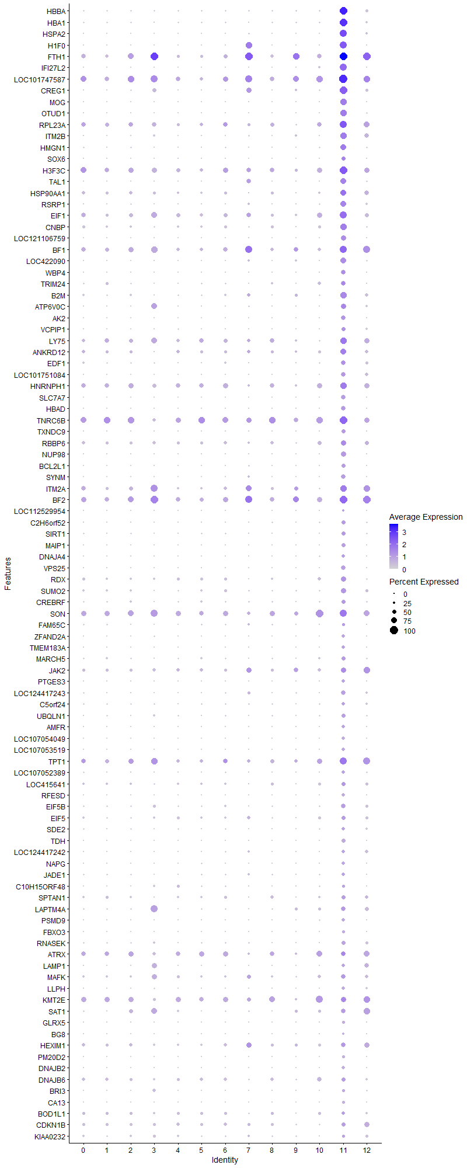
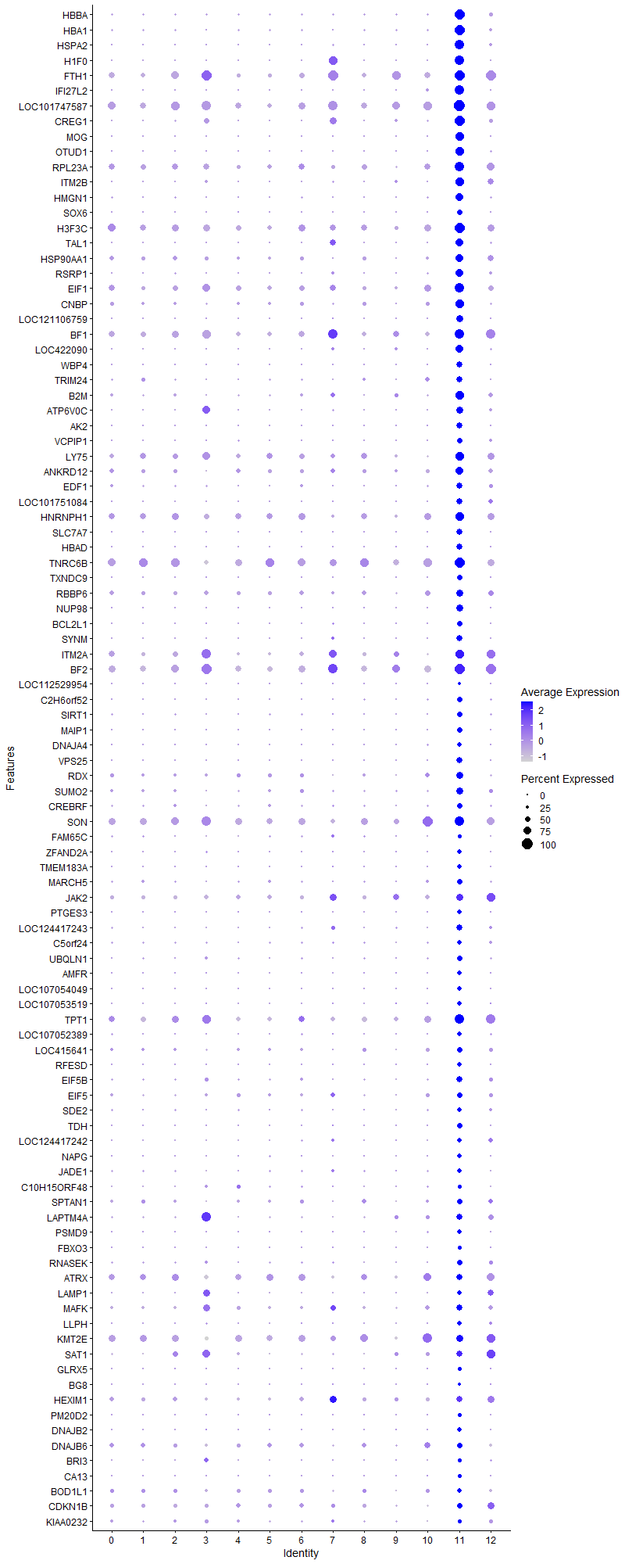
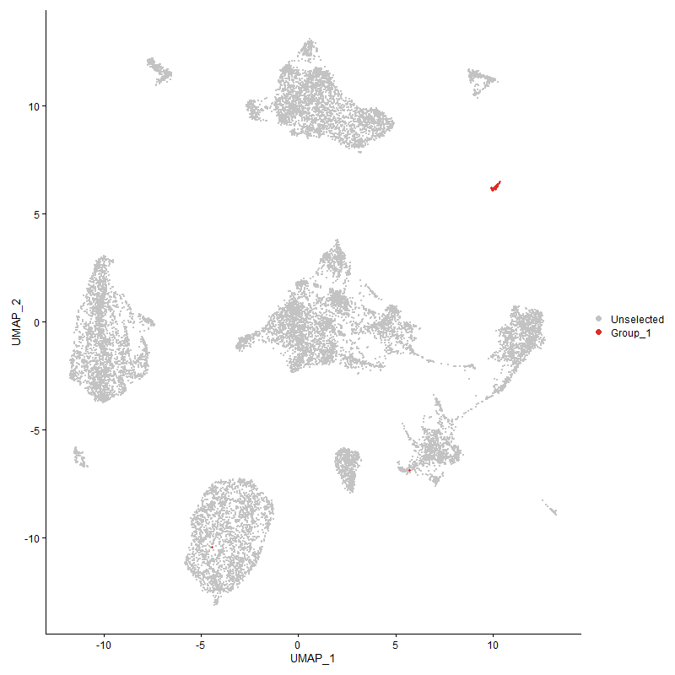
...

Cluster12
...



