Summary of Parameter Sweeps
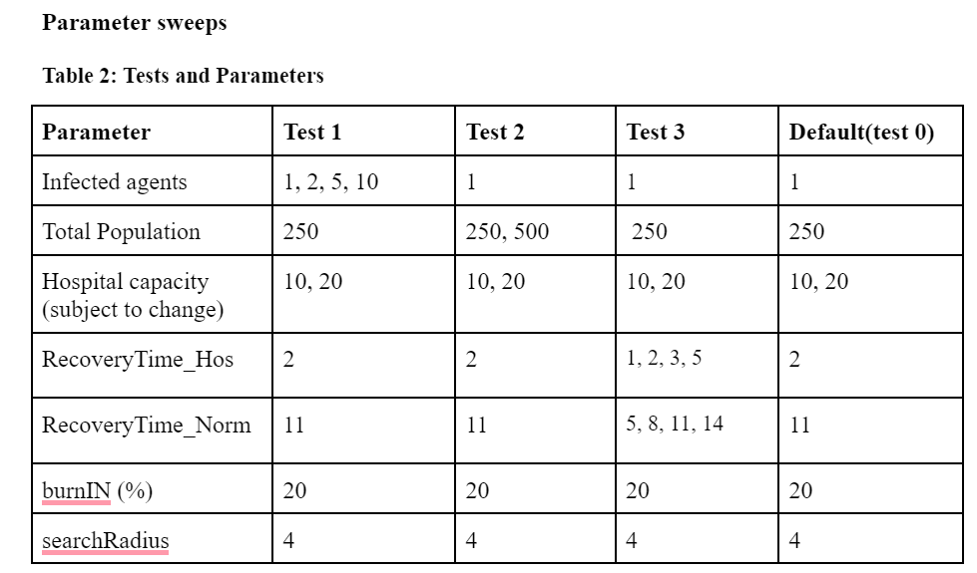
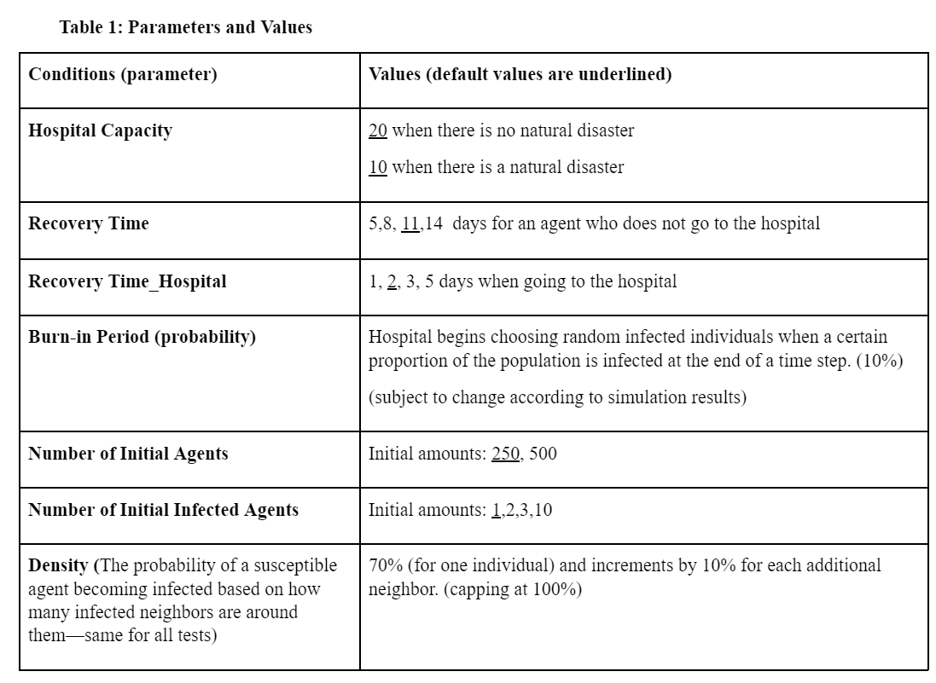
Status | Color
Suceptible | Blue
Infected | Red
Recovered | Green

Hypothesis for the Corresponding Data Tabs (data tabs contain visualization)
Test 0: Change in Hospital Capacity (decreased capacity due to a natural disaster) leads to faster (patterns in the) propagation of COVID (more recovered agents as changes in agent status begins to plateau)
Test 1: Increasing the number of initially infected agents accelerates the timeframe for the epidemiological patterns (of COVID-19 spread) that occur.
Test 2: Changing the total population does not result in a significant change in the pattern of epidemiological spread (our model is robust to scaling)
Test 3: As the proportion between recovery times: RecoveryTime_Hos RecoveryTime_Norm decreases (gets closer to 1), the hospital becomes less relevant (strategy) to the patterns seen within the epidemiological patterns, and as such the ability of the simulation to address the patterns of infections slows.

Analysis0
hospital_capacity | Value | Step | Reps | N | susceptible | infected | recovered
hospital_capacity | 10 (natural disaster) | 199 | 8000 | 250 | 0.134 | 0.076 | 0.79
hospital_capacity | 20 (normal) | 199 | 8000 | 250 | 0.107 | 0.211 | 0.682

Change in Status Proportion

Analysis1
n_infected | Value | hospital_capacity | Value | Step | Reps | N | susceptible | infected | recovered
n_infected | 1 | hospital_capacity | 10 (natural disaster) | 199 | 8000 | 250 | 0.262 | 0.076 | 0.662
n_infected | 1 | hospital_capacity | 20 (normal) | 199 | 8000 | 250 | 0.213 | 0.221 | 0.565
n_infected | 2 | hospital_capacity | 10 (natural disaster) | 199 | 8000 | 250 | 0.16 | 0.396 | 0.444
n_infected | 2 | hospital_capacity | 20 (normal) | 199 | 8000 | 250 | 0.12 | 0.556 | 0.324
n_infected | 5 | hospital_capacity | 10 (natural disaster) | 199 | 8000 | 250 | 0.074 | 0.741 | 0.186
n_infected | 5 | hospital_capacity | 20 (normal) | 199 | 8000 | 250 | 0.038 | 0.876 | 0.085
n_infected | 10 | hospital_capacity | 10 (natural disaster) | 199 | 8000 | 250 | 0.009 | 0.946 | 0.045
n_infected | 10 | hospital_capacity | 20 (normal) | 199 | 8000 | 250 | 0.004 | 0.989 | 0.007

Change in status proportion according to natural disaster (initial infected = 1)
Change in status proportion according to natural disaster (initial infected = 2)
Change in status proportion according to natural disaster (initial infected = 5)
Change in status proportion according to natural disaster (initial infected = 10)

Analysis2
n | Value | hospital_capacity | Value | Step | Reps | N | susceptible | infected | recovered
n | 250 | hospital_capacity | 10 | 199 | 8000 | 250 | 0.081 | 0.071 | 0.847
n | 250 | hospital_capacity | 20 (normal) | 199 | 8000 | 250 | 0.062 | 0.207 | 0.732
n | 500 | hospital_capacity | 10 (natural disaster) | 199 | 8000 | 500 | 0.509 | 0.165 | 0.327
n | 500 | hospital_capacity | 20 (normal) | 199 | 8000 | 500 | 0.474 | 0.229 | 0.297
Change in status proportion according to natural disaster (Total Population = 250)
Change in status proportion according to natural disaster (Total Population = 500)

Analysis3
hospital_capacity | Value | recovery_h | Value | recovery_natural | Value | Step | Reps | N | susceptible | recovered | infected | recovery_h/recovery_natural | hospital_capacity | Value | recovery_h | Value | recovery_natural | Value | Step | Reps | N | susceptible | recovered | infected | recovery_h/recovery_natural
hospital_capacity | 10 | recovery_h | 1 | recovery_natural | 14 | 199 | 8000 | 250 | 0.39 | 0.183 | 0.427 | 0.071428571429 | hospital_capacity | 20 | recovery_h | 1 | recovery_natural | 14 | 199 | 8000 | 250 | 0.039 | 0.012 | 0.949 | 0.071428571429
hospital_capacity | 10 | recovery_h | 1 | recovery_natural | 11 | 199 | 8000 | 250 | 0.463 | 0.217 | 0.321 | 0.090909090909 | hospital_capacity | 20 | recovery_h | 1 | recovery_natural | 11 | 199 | 8000 | 250 | 0.048 | 0.016 | 0.937 | 0.090909090909
hospital_capacity | 10 | recovery_h | 1 | recovery_natural | 8 | 199 | 8000 | 250 | 0.543 | 0.251 | 0.206 | 0.125 | hospital_capacity | 20 | recovery_h | 1 | recovery_natural | 8 | 199 | 8000 | 250 | 0.052 | 0.024 | 0.924 | 0.125
hospital_capacity | 10 | recovery_h | 2 | recovery_natural | 14 | 199 | 8000 | 250 | 0.211 | 0.087 | 0.703 | 0.14285714286 | hospital_capacity | 20 | recovery_h | 2 | recovery_natural | 14 | 199 | 8000 | 250 | 0.016 | 0.004 | 0.98 | 0.14285714286
hospital_capacity | 10 | recovery_h | 2 | recovery_natural | 11 | 199 | 8000 | 250 | 0.233 | 0.099 | 0.668 | 0.18181818182 | hospital_capacity | 20 | recovery_h | 2 | recovery_natural | 11 | 199 | 8000 | 250 | 0.016 | 0.004 | 0.98 | 0.18181818182
hospital_capacity | 10 | recovery_h | 1 | recovery_natural | 5 | 199 | 8000 | 250 | 0.626 | 0.301 | 0.073 | 0.2 | hospital_capacity | 20 | recovery_h | 1 | recovery_natural | 5 | 199 | 8000 | 250 | 0.062 | 0.028 | 0.91 | 0.2
hospital_capacity | 10 | recovery_h | 3 | recovery_natural | 14 | 199 | 8000 | 250 | 0.092 | 0.064 | 0.844 | 0.21428571429 | hospital_capacity | 20 | recovery_h | 3 | recovery_natural | 14 | 199 | 8000 | 250 | 0.012 | 0.004 | 0.984 | 0.21428571429
hospital_capacity | 10 | recovery_h | 2 | recovery_natural | 8 | 199 | 8000 | 250 | 0.285 | 0.119 | 0.596 | 0.25 | hospital_capacity | 20 | recovery_h | 2 | recovery_natural | 8 | 199 | 8000 | 250 | 0.017 | 0.012 | 0.971 | 0.25
hospital_capacity | 10 | recovery_h | 3 | recovery_natural | 11 | 199 | 8000 | 250 | 0.12 | 0.066 | 0.813 | 0.27272727273 | hospital_capacity | 20 | recovery_h | 3 | recovery_natural | 11 | 199 | 8000 | 250 | 0.012 | 0.004 | 0.984 | 0.27272727273
hospital_capacity | 10 | recovery_h | 5 | recovery_natural | 14 | 199 | 8000 | 250 | 0.067 | 0.028 | 0.905 | 0.35714285714 | hospital_capacity | 20 | recovery_h | 5 | recovery_natural | 14 | 199 | 8000 | 250 | 0.004 | 0.004 | 0.992 | 0.35714285714
hospital_capacity | 10 | recovery_h | 3 | recovery_natural | 8 | 199 | 8000 | 250 | 0.15 | 0.072 | 0.777 | 0.375 | hospital_capacity | 20 | recovery_h | 3 | recovery_natural | 8 | 199 | 8000 | 250 | 0.012 | 0.004 | 0.984 | 0.375
hospital_capacity | 10 | recovery_h | 2 | recovery_natural | 5 | 199 | 8000 | 250 | 0.328 | 0.147 | 0.525 | 0.4 | hospital_capacity | 20 | recovery_h | 2 | recovery_natural | 5 | 199 | 8000 | 250 | 0.03 | 0.012 | 0.958 | 0.4
hospital_capacity | 10 | recovery_h | 5 | recovery_natural | 11 | 199 | 8000 | 250 | 0.075 | 0.035 | 0.889 | 0.45454545455 | hospital_capacity | 20 | recovery_h | 5 | recovery_natural | 11 | 199 | 8000 | 250 | 0.006 | 0.004 | 0.99 | 0.45454545455
hospital_capacity | 10 | recovery_h | 3 | recovery_natural | 5 | 199 | 8000 | 250 | 0.175 | 0.078 | 0.748 | 0.6 | hospital_capacity | 20 | recovery_h | 3 | recovery_natural | 5 | 199 | 8000 | 250 | 0.013 | 0.004 | 0.984 | 0.6
hospital_capacity | 10 | recovery_h | 5 | recovery_natural | 8 | 199 | 8000 | 250 | 0.076 | 0.039 | 0.885 | 0.625 | hospital_capacity | 20 | recovery_h | 5 | recovery_natural | 8 | 199 | 8000 | 250 | 0.012 | 0.004 | 0.984 | 0.625
hospital_capacity | 10 | recovery_h | 5 | recovery_natural | 5 | 199 | 8000 | 250 | 0.085 | 0.053 | 0.862 | 1 | hospital_capacity | 20 | recovery_h | 5 | recovery_natural | 5 | 199 | 8000 | 250 | 0.012 | 0.004 | 0.984 | 1

Proportion of Status by ratio (no natural disaster): recovery_h/recovery_natural
Proportion of Status by ratio(natural disaster): recovery_h/recovery_natural

