Disclaimers
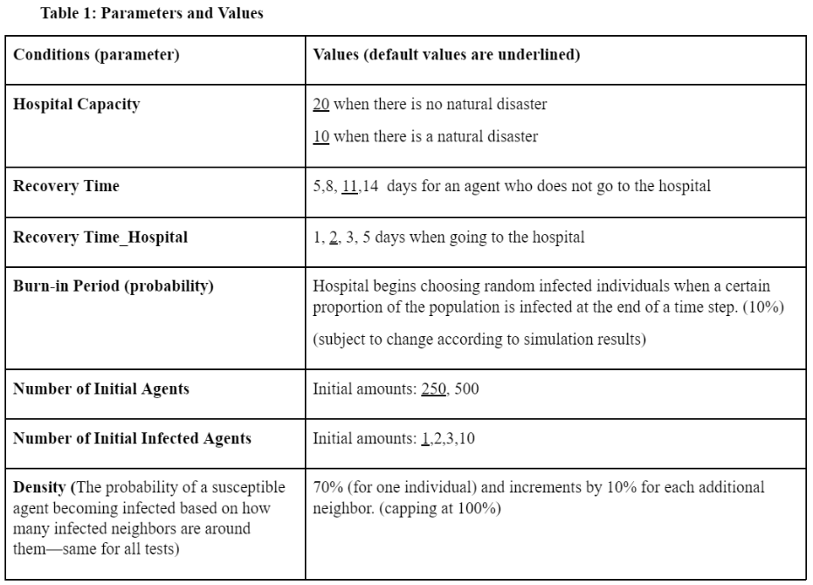
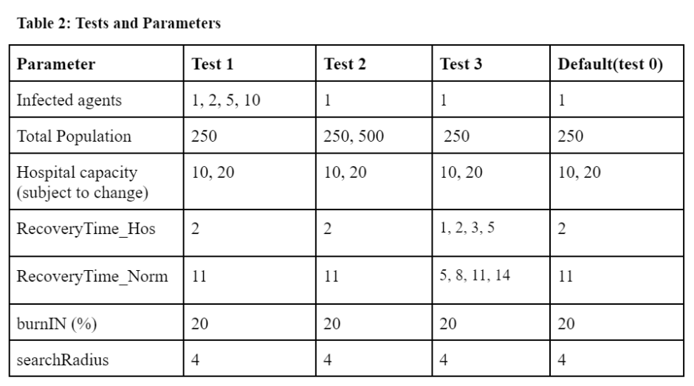
DISCLAIMER:
Results are averaged across simulations that run for 250 time-stepsFor Test 3, the 32
For Test 0, the 2 swept parameters are averaged across 20 samples
For Test 3, the 32 swept parameters are averaged across 10 samples

analysis
 | capacity | susceptible | infected | recovered
ND | ND: 10 | 0.397 | 0.039 | 0.565
no ND | NO ND: 20 | 0.349 | 0.114 | 0.538
Changes in Status Proportion (end of sim.)

analysis3 - natural disaster
Hospital Capacity | Recovery_h | Recovery_n | susceptible | infected | recovered | recovery_h/recovery_natural
10 | 1 | 14 | 0.802 | 0.136 | 0.062 | 0.071428571429
10 | 1 | 11 | 0.837 | 0.098 | 0.065 | 0.090909090909
10 | 1 | 8 | 0.874 | 0.058 | 0.068 | 0.125
10 | 2 | 14 | 0.68 | 0.268 | 0.052 | 0.14285714286
10 | 2 | 11 | 0.702 | 0.244 | 0.054 | 0.18181818182
10 | 1 | 5 | 0.914 | 0.018 | 0.068 | 0.2
10 | 3 | 14 | 0.592 | 0.371 | 0.037 | 0.21428571429
10 | 2 | 8 | 0.737 | 0.207 | 0.056 | 0.25
Proportion of Status by ratio(natural disaster): recovery_hospital/recovery_natural
10 | 3 | 11 | 0.605 | 0.351 | 0.044 | 0.27272727273
10 | 5 | 14 | 0.513 | 0.455 | 0.032 | 0.35714285714
10 | 3 | 8 | 0.628 | 0.324 | 0.048 | 0.375
10 | 2 | 5 | 0.77 | 0.17 | 0.06 | 0.4
10 | 5 | 11 | 0.536 | 0.428 | 0.036 | 0.45454545455
10 | 3 | 5 | 0.654 | 0.296 | 0.049 | 0.6
10 | 5 | 8 | 0.555 | 0.409 | 0.036 | 0.625
10 | 5 | 5 | 0.571 | 0.393 | 0.036 | 1

analysis3 - no natural disaster
Proportion of Status by ratio(natural disaster): recovery_hospital/recovery_natural
Hospital Capacity | Recovery_h | Recovery_n | susceptible | infected | recovered | recovery_h/recovery_n
20 | 1 | 14 | 0.435 | 0.539 | 0.026 | 0.071428571429
20 | 1 | 11 | 0.45 | 0.522 | 0.028 | 0.090909090909
20 | 1 | 8 | 0.472 | 0.5 | 0.028 | 0.125
20 | 2 | 14 | 0.376 | 0.608 | 0.016 | 0.14285714286
20 | 2 | 11 | 0.39 | 0.591 | 0.019 | 0.18181818182
20 | 1 | 5 | 0.49 | 0.481 | 0.029 | 0.2
20 | 3 | 14 | 0.322 | 0.666 | 0.012 | 0.21428571429
20 | 2 | 8 | 0.403 | 0.577 | 0.02 | 0.25
20 | 3 | 11 | 0.334 | 0.65 | 0.016 | 0.27272727273
20 | 5 | 14 | 0.284 | 0.704 | 0.012 | 0.35714285714
20 | 3 | 8 | 0.35 | 0.634 | 0.016 | 0.375
20 | 2 | 5 | 0.417 | 0.562 | 0.022 | 0.4
20 | 5 | 11 | 0.298 | 0.69 | 0.012 | 0.45454545455
20 | 3 | 5 | 0.362 | 0.622 | 0.016 | 0.6
20 | 5 | 8 | 0.312 | 0.676 | 0.012 | 0.625
20 | 5 | 5 | 0.316 | 0.672 | 0.012 | 1

